safe_move_count
image | evidence_image | task | task_variant | prompt | prompt_answer_only | answer | answer_evidence | answer_type | evidence_type | instance_seed | image_path | data_path
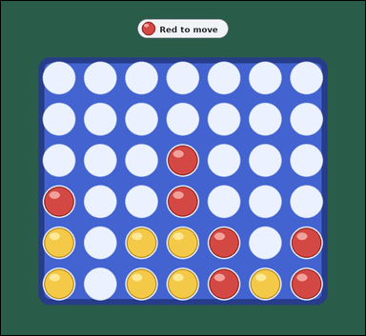 |  | task_games_connect_four_move_count | safe_move_count | Use the visible Connect Four board state in the image. It shows one visible Connect Four board in a midgame position with red and yellow discs. Answer the question using the visible board state. It is Red's turn. A move drops one disc into a non-full column, and the disc falls to the lowest empty square in that column. A player wins by completing four of their discs in a row horizontally, vertically, or diagonally. A safe move is a legal drop after which the opponent has no immediate winning drop on the next turn. Determine the number of safe legal drops for Red. Answer with an integer. Return a valid JSON object with keys "evidence" and "answer" in that order. Evidence rule: set "evidence" to an array of bounding boxes [x1, y1, x2, y2] for every legal landing square that is safe. Answer rule: set "answer" to the number of legal landing squares that are safe. Example JSON: {"evidence":[[210,340,300,430],[390,340,480,430]],"answer":2} | Use the visible Connect Four board state in the image. It shows one visible Connect Four board in a midgame position with red and yellow discs. Answer the question using the visible board state. It is Red's turn. A move drops one disc into a non-full column, and the disc falls to the lowest empty square in that column. A player wins by completing four of their discs in a row horizontally, vertically, or diagonally. A safe move is a legal drop after which the opponent has no immediate winning drop on the next turn. Determine the number of safe legal drops for Red. Answer with an integer. Return a valid JSON object with key "answer". Answer requirement: set "answer" to the number of legal landing squares that are safe. Example JSON: {"answer":2} | {"evidence": [], "answer": 0} | [] | integer | bbox_set | 178977202643155 | games/task_games_connect_four_move_count/images/safe_move_count/0014.png | games/task_games_connect_four_move_count/data/safe_move_count/0014.json
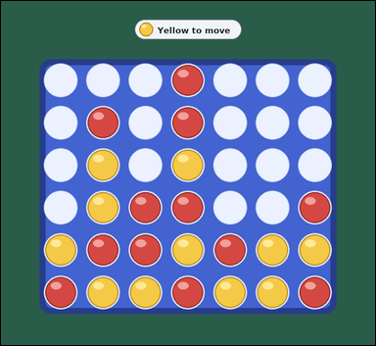 |  | task_games_connect_four_move_count | safe_move_count | The image shows one visible Connect Four board in a crowded late-game position with red and yellow discs. Determine the requested move value from the visible board. It is Yellow's turn. A move drops one disc into a non-full column, and the disc falls to the lowest empty square in that column. A player wins by completing four of their discs in a row horizontally, vertically, or diagonally. A safe move is a legal drop after which the opponent has no immediate winning drop on the next turn. What is the number of safe landing squares for Yellow? Answer with an integer. Return a valid JSON object with keys "evidence" and "answer" in that order. Evidence format: set "evidence" to an array of bounding boxes [x1, y1, x2, y2] for every legal landing square that is safe. Answer requirement: set "answer" to the number of legal landing squares that are safe. Example JSON: {"evidence":[[210,340,300,430],[390,340,480,430]],"answer":2} | The image shows one visible Connect Four board in a crowded late-game position with red and yellow discs. Determine the requested move value from the visible board. It is Yellow's turn. A move drops one disc into a non-full column, and the disc falls to the lowest empty square in that column. A player wins by completing four of their discs in a row horizontally, vertically, or diagonally. A safe move is a legal drop after which the opponent has no immediate winning drop on the next turn. What is the number of safe landing squares for Yellow? Answer with an integer. Return a valid JSON object with key "answer". Answer rule: set "answer" to the number of legal landing squares that are safe. Example JSON: {"answer":2} | {"evidence": [[323.0, 374.0, 434.0, 485.0]], "answer": 1} | [[323.0, 374.0, 434.0, 485.0]] | integer | bbox_set | 269699429620663 | games/task_games_connect_four_move_count/images/safe_move_count/0001.png | games/task_games_connect_four_move_count/data/safe_move_count/0001.json
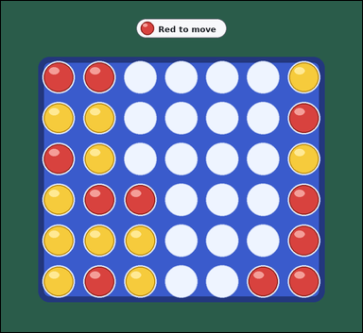 |  | task_games_connect_four_move_count | safe_move_count | The image shows one visible Connect Four board in a crowded late-game position with red and yellow discs. Work from the shown Connect Four position to answer the question. It is Red's turn. A move drops one disc into a non-full column, and the disc falls to the lowest empty square in that column. A player wins by completing four of their discs in a row horizontally, vertically, or diagonally. A safe move is a legal drop after which the opponent has no immediate winning drop on the next turn. How many legal moves leave Yellow without an immediate winning reply? Answer with an integer. Return a valid JSON object with keys "evidence" and "answer" in that order. Evidence: set "evidence" to an array of bounding boxes [x1, y1, x2, y2] for every legal landing square that is safe. Answer: set "answer" to the number of legal landing squares that are safe. Example JSON: {"evidence":[[210,340,300,430],[390,340,480,430]],"answer":2} | The image shows one visible Connect Four board in a crowded late-game position with red and yellow discs. Work from the shown Connect Four position to answer the question. It is Red's turn. A move drops one disc into a non-full column, and the disc falls to the lowest empty square in that column. A player wins by completing four of their discs in a row horizontally, vertically, or diagonally. A safe move is a legal drop after which the opponent has no immediate winning drop on the next turn. How many legal moves leave Yellow without an immediate winning reply? Answer with an integer. Return a valid JSON object with key "answer". Answer format: set "answer" to the number of legal landing squares that are safe. Example JSON: {"answer":2} | {"evidence": [[323.0, 374.0, 434.0, 485.0], [656.0, 596.0, 767.0, 707.0], [545.0, 707.0, 656.0, 818.0]], "answer": 3} | [[323.0, 374.0, 434.0, 485.0], [656.0, 596.0, 767.0, 707.0], [545.0, 707.0, 656.0, 818.0]] | integer | bbox_set | 1.2714685403E+15 | games/task_games_connect_four_move_count/images/safe_move_count/0005.png | games/task_games_connect_four_move_count/data/safe_move_count/0005.json
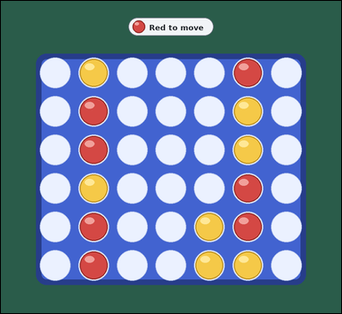 | 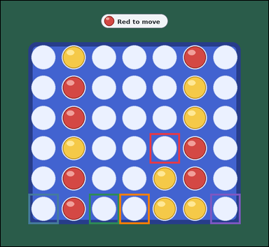 | task_games_connect_four_move_count | safe_move_count | Look at the visible Connect Four board in the image. It shows one visible Connect Four board in a midgame position with red and yellow discs. Work from the shown Connect Four position to answer the question. It is Red's turn. A move drops one disc into a non-full column, and the disc falls to the lowest empty square in that column. A player wins by completing four of their discs in a row horizontally, vertically, or diagonally. A safe move is a legal drop after which the opponent has no immediate winning drop on the next turn. How many legal drops are safe for Red? Answer with an integer. Return a valid JSON object with keys "evidence" and "answer" in that order. Evidence requirement: set "evidence" to an array of bounding boxes [x1, y1, x2, y2] for every legal landing square that is safe. Answer format: set "answer" to the number of legal landing squares that are safe. Example JSON: {"evidence":[[210,340,300,430],[390,340,480,430]],"answer":2} | Look at the visible Connect Four board in the image. It shows one visible Connect Four board in a midgame position with red and yellow discs. Work from the shown Connect Four position to answer the question. It is Red's turn. A move drops one disc into a non-full column, and the disc falls to the lowest empty square in that column. A player wins by completing four of their discs in a row horizontally, vertically, or diagonally. A safe move is a legal drop after which the opponent has no immediate winning drop on the next turn. How many legal drops are safe for Red? Answer with an integer. Return a valid JSON object with key "answer". Answer requirement: set "answer" to the number of legal landing squares that are safe. Example JSON: {"answer":2} | {"evidence": [[545.0, 485.0, 656.0, 596.0], [101.0, 707.0, 212.0, 818.0], [323.0, 707.0, 434.0, 818.0], [434.0, 707.0, 545.0, 818.0], [767.0, 707.0, 878.0, 818.0]], "answer": 5} | [[545.0, 485.0, 656.0, 596.0], [101.0, 707.0, 212.0, 818.0], [323.0, 707.0, 434.0, 818.0], [434.0, 707.0, 545.0, 818.0], [767.0, 707.0, 878.0, 818.0]] | integer | bbox_set | 1.2862390598E+15 | games/task_games_connect_four_move_count/images/safe_move_count/0016.png | games/task_games_connect_four_move_count/data/safe_move_count/0016.json
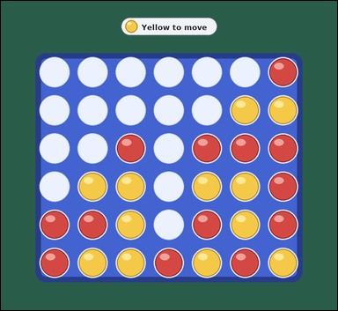 |  | task_games_connect_four_move_count | safe_move_count | Use the visible Connect Four board state in the image. It shows one visible Connect Four board in a crowded late-game position with red and yellow discs. Work from the shown Connect Four position to answer the question. It is Yellow's turn. A move drops one disc into a non-full column, and the disc falls to the lowest empty square in that column. A player wins by completing four of their discs in a row horizontally, vertically, or diagonally. A safe move is a legal drop after which the opponent has no immediate winning drop on the next turn. Count the safe legal drops for Yellow. Answer with an integer. Return a valid JSON object with keys "evidence" and "answer" in that order. Evidence format: set "evidence" to an array of bounding boxes [x1, y1, x2, y2] for every legal landing square that is safe. Answer requirement: set "answer" to the number of legal landing squares that are safe. Example JSON: {"evidence":[[210,340,300,430],[390,340,480,430]],"answer":2} | Use the visible Connect Four board state in the image. It shows one visible Connect Four board in a crowded late-game position with red and yellow discs. Work from the shown Connect Four position to answer the question. It is Yellow's turn. A move drops one disc into a non-full column, and the disc falls to the lowest empty square in that column. A player wins by completing four of their discs in a row horizontally, vertically, or diagonally. A safe move is a legal drop after which the opponent has no immediate winning drop on the next turn. Count the safe legal drops for Yellow. Answer with an integer. Return a valid JSON object with key "answer". Answer field: set "answer" to the number of legal landing squares that are safe. Example JSON: {"answer":2} | {"evidence": [[656.0, 152.0, 767.0, 263.0], [323.0, 263.0, 434.0, 374.0], [545.0, 263.0, 656.0, 374.0], [212.0, 374.0, 323.0, 485.0], [101.0, 485.0, 212.0, 596.0]], "answer": 5} | [[656.0, 152.0, 767.0, 263.0], [323.0, 263.0, 434.0, 374.0], [545.0, 263.0, 656.0, 374.0], [212.0, 374.0, 323.0, 485.0], [101.0, 485.0, 212.0, 596.0]] | integer | bbox_set | 1.3991702523E+15 | games/task_games_connect_four_move_count/images/safe_move_count/0009.png | games/task_games_connect_four_move_count/data/safe_move_count/0009.json
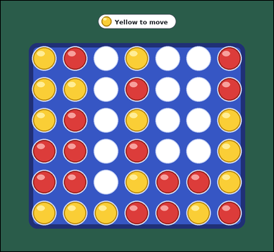 | 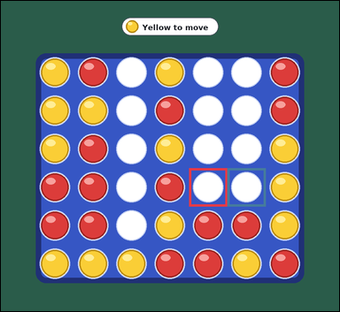 | task_games_connect_four_move_count | safe_move_count | Look at the visible Connect Four board in the image. It shows one visible Connect Four board in a crowded late-game position with red and yellow discs. Answer the question using the visible board state. It is Yellow's turn. A move drops one disc into a non-full column, and the disc falls to the lowest empty square in that column. A player wins by completing four of their discs in a row horizontally, vertically, or diagonally. A safe move is a legal drop after which the opponent has no immediate winning drop on the next turn. Count the safe legal drops for Yellow. Answer with an integer. Return a valid JSON object with keys "evidence" and "answer" in that order. Evidence field: set "evidence" to an array of bounding boxes [x1, y1, x2, y2] for every legal landing square that is safe. Answer field: set "answer" to the number of legal landing squares that are safe. Example JSON: {"evidence":[[210,340,300,430],[390,340,480,430]],"answer":2} | Look at the visible Connect Four board in the image. It shows one visible Connect Four board in a crowded late-game position with red and yellow discs. Answer the question using the visible board state. It is Yellow's turn. A move drops one disc into a non-full column, and the disc falls to the lowest empty square in that column. A player wins by completing four of their discs in a row horizontally, vertically, or diagonally. A safe move is a legal drop after which the opponent has no immediate winning drop on the next turn. Count the safe legal drops for Yellow. Answer with an integer. Return a valid JSON object with key "answer". Answer requirement: set "answer" to the number of legal landing squares that are safe. Example JSON: {"answer":2} | {"evidence": [[545.0, 485.0, 656.0, 596.0], [656.0, 485.0, 767.0, 596.0]], "answer": 2} | [[545.0, 485.0, 656.0, 596.0], [656.0, 485.0, 767.0, 596.0]] | integer | bbox_set | 1.4635069782E+15 | games/task_games_connect_four_move_count/images/safe_move_count/0012.png | games/task_games_connect_four_move_count/data/safe_move_count/0012.json
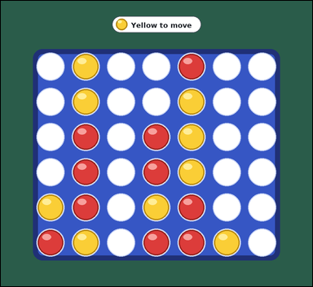 | 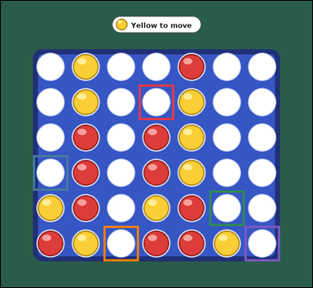 | task_games_connect_four_move_count | safe_move_count | The image shows one visible Connect Four board in a midgame position with red and yellow discs. Work from the shown Connect Four position to answer the question. It is Yellow's turn. A move drops one disc into a non-full column, and the disc falls to the lowest empty square in that column. A player wins by completing four of their discs in a row horizontally, vertically, or diagonally. A safe move is a legal drop after which the opponent has no immediate winning drop on the next turn. What is the number of safe landing squares for Yellow? Answer with an integer. Return a valid JSON object with keys "evidence" and "answer" in that order. Evidence requirement: set "evidence" to an array of bounding boxes [x1, y1, x2, y2] for every legal landing square that is safe. Answer format: set "answer" to the number of legal landing squares that are safe. Example JSON: {"evidence":[[210,340,300,430],[390,340,480,430]],"answer":2} | The image shows one visible Connect Four board in a midgame position with red and yellow discs. Work from the shown Connect Four position to answer the question. It is Yellow's turn. A move drops one disc into a non-full column, and the disc falls to the lowest empty square in that column. A player wins by completing four of their discs in a row horizontally, vertically, or diagonally. A safe move is a legal drop after which the opponent has no immediate winning drop on the next turn. What is the number of safe landing squares for Yellow? Answer with an integer. Return a valid JSON object with key "answer". Answer: set "answer" to the number of legal landing squares that are safe. Example JSON: {"answer":2} | {"evidence": [[434.0, 263.0, 545.0, 374.0], [101.0, 485.0, 212.0, 596.0], [656.0, 596.0, 767.0, 707.0], [323.0, 707.0, 434.0, 818.0], [767.0, 707.0, 878.0, 818.0]], "answer": 5} | [[434.0, 263.0, 545.0, 374.0], [101.0, 485.0, 212.0, 596.0], [656.0, 596.0, 767.0, 707.0], [323.0, 707.0, 434.0, 818.0], [767.0, 707.0, 878.0, 818.0]] | integer | bbox_set | 1.6986024211E+15 | games/task_games_connect_four_move_count/images/safe_move_count/0013.png | games/task_games_connect_four_move_count/data/safe_move_count/0013.json
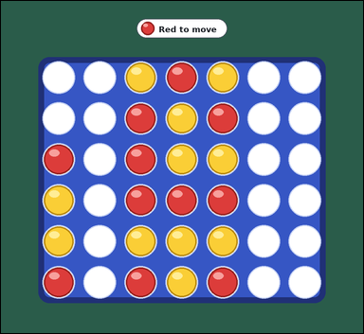 | 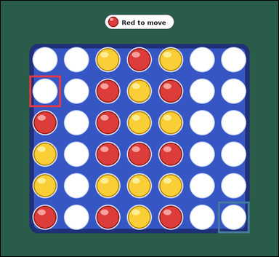 | task_games_connect_four_move_count | safe_move_count | Look at the visible Connect Four board in the image. It shows one visible Connect Four board in a midgame position with red and yellow discs. Determine the requested move value from the visible board. It is Red's turn. A move drops one disc into a non-full column, and the disc falls to the lowest empty square in that column. A player wins by completing four of their discs in a row horizontally, vertically, or diagonally. A safe move is a legal drop after which the opponent has no immediate winning drop on the next turn. Determine the number of safe legal drops for Red. Answer with an integer. Return a valid JSON object with keys "evidence" and "answer" in that order. Evidence rule: set "evidence" to an array of bounding boxes [x1, y1, x2, y2] for every legal landing square that is safe. Answer rule: set "answer" to the number of legal landing squares that are safe. Example JSON: {"evidence":[[210,340,300,430],[390,340,480,430]],"answer":2} | Look at the visible Connect Four board in the image. It shows one visible Connect Four board in a midgame position with red and yellow discs. Determine the requested move value from the visible board. It is Red's turn. A move drops one disc into a non-full column, and the disc falls to the lowest empty square in that column. A player wins by completing four of their discs in a row horizontally, vertically, or diagonally. A safe move is a legal drop after which the opponent has no immediate winning drop on the next turn. Determine the number of safe legal drops for Red. Answer with an integer. Return a valid JSON object with key "answer". Answer format: set "answer" to the number of legal landing squares that are safe. Example JSON: {"answer":2} | {"evidence": [[101.0, 263.0, 212.0, 374.0], [767.0, 707.0, 878.0, 818.0]], "answer": 2} | [[101.0, 263.0, 212.0, 374.0], [767.0, 707.0, 878.0, 818.0]] | integer | bbox_set | 2.5666939809E+15 | games/task_games_connect_four_move_count/images/safe_move_count/0022.png | games/task_games_connect_four_move_count/data/safe_move_count/0022.json
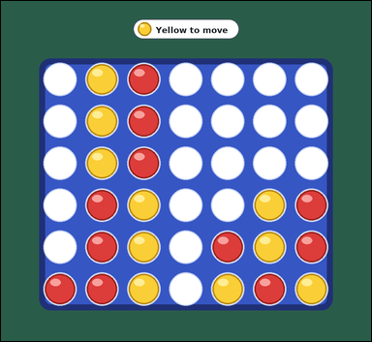 |  | task_games_connect_four_move_count | safe_move_count | Work from the Connect Four position shown in the image: one visible Connect Four board in a midgame position with red and yellow discs. Read the board and determine the requested value. It is Yellow's turn. A move drops one disc into a non-full column, and the disc falls to the lowest empty square in that column. A player wins by completing four of their discs in a row horizontally, vertically, or diagonally. A safe move is a legal drop after which the opponent has no immediate winning drop on the next turn. How many legal drops are safe for Yellow? Answer with an integer. Return a valid JSON object with keys "evidence" and "answer" in that order. Evidence: set "evidence" to an array of bounding boxes [x1, y1, x2, y2] for every legal landing square that is safe. Answer: set "answer" to the number of legal landing squares that are safe. Example JSON: {"evidence":[[210,340,300,430],[390,340,480,430]],"answer":2} | Work from the Connect Four position shown in the image: one visible Connect Four board in a midgame position with red and yellow discs. Read the board and determine the requested value. It is Yellow's turn. A move drops one disc into a non-full column, and the disc falls to the lowest empty square in that column. A player wins by completing four of their discs in a row horizontally, vertically, or diagonally. A safe move is a legal drop after which the opponent has no immediate winning drop on the next turn. How many legal drops are safe for Yellow? Answer with an integer. Return a valid JSON object with key "answer". Answer requirement: set "answer" to the number of legal landing squares that are safe. Example JSON: {"answer":2} | {"evidence": [[656.0, 374.0, 767.0, 485.0], [767.0, 374.0, 878.0, 485.0], [545.0, 485.0, 656.0, 596.0], [101.0, 596.0, 212.0, 707.0], [434.0, 707.0, 545.0, 818.0]], "answer": 5} | [[656.0, 374.0, 767.0, 485.0], [767.0, 374.0, 878.0, 485.0], [545.0, 485.0, 656.0, 596.0], [101.0, 596.0, 212.0, 707.0], [434.0, 707.0, 545.0, 818.0]] | integer | bbox_set | 2.7529880704E+15 | games/task_games_connect_four_move_count/images/safe_move_count/0015.png | games/task_games_connect_four_move_count/data/safe_move_count/0015.json
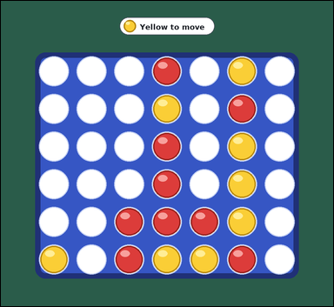 | 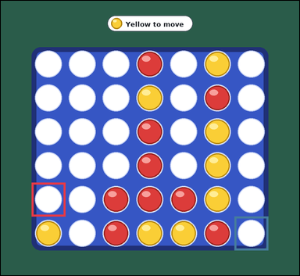 | task_games_connect_four_move_count | safe_move_count | The image shows one visible Connect Four board in a midgame position with red and yellow discs. Determine the requested move value from the visible board. It is Yellow's turn. A move drops one disc into a non-full column, and the disc falls to the lowest empty square in that column. A player wins by completing four of their discs in a row horizontally, vertically, or diagonally. A safe move is a legal drop after which the opponent has no immediate winning drop on the next turn. How many legal drops are safe for Yellow? Answer with an integer. Return a valid JSON object with keys "evidence" and "answer" in that order. Evidence rule: set "evidence" to an array of bounding boxes [x1, y1, x2, y2] for every legal landing square that is safe. Answer rule: set "answer" to the number of legal landing squares that are safe. Example JSON: {"evidence":[[210,340,300,430],[390,340,480,430]],"answer":2} | The image shows one visible Connect Four board in a midgame position with red and yellow discs. Determine the requested move value from the visible board. It is Yellow's turn. A move drops one disc into a non-full column, and the disc falls to the lowest empty square in that column. A player wins by completing four of their discs in a row horizontally, vertically, or diagonally. A safe move is a legal drop after which the opponent has no immediate winning drop on the next turn. How many legal drops are safe for Yellow? Answer with an integer. Return a valid JSON object with key "answer". Answer rule: set "answer" to the number of legal landing squares that are safe. Example JSON: {"answer":2} | {"evidence": [[101.0, 596.0, 212.0, 707.0], [767.0, 707.0, 878.0, 818.0]], "answer": 2} | [[101.0, 596.0, 212.0, 707.0], [767.0, 707.0, 878.0, 818.0]] | integer | bbox_set | 3.0425376859E+15 | games/task_games_connect_four_move_count/images/safe_move_count/0004.png | games/task_games_connect_four_move_count/data/safe_move_count/0004.json
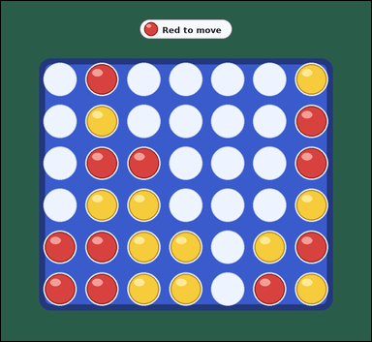 | 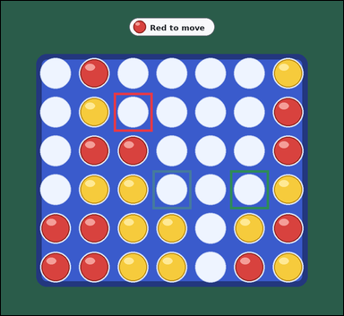 | task_games_connect_four_move_count | safe_move_count | The image shows one visible Connect Four board in a midgame position with red and yellow discs. Work from the shown Connect Four position to answer the question. It is Red's turn. A move drops one disc into a non-full column, and the disc falls to the lowest empty square in that column. A player wins by completing four of their discs in a row horizontally, vertically, or diagonally. A safe move is a legal drop after which the opponent has no immediate winning drop on the next turn. How many legal drops are safe for Red? Answer with an integer. Return a valid JSON object with keys "evidence" and "answer" in that order. Evidence: set "evidence" to an array of bounding boxes [x1, y1, x2, y2] for every legal landing square that is safe. Answer: set "answer" to the number of legal landing squares that are safe. Example JSON: {"evidence":[[210,340,300,430],[390,340,480,430]],"answer":2} | The image shows one visible Connect Four board in a midgame position with red and yellow discs. Work from the shown Connect Four position to answer the question. It is Red's turn. A move drops one disc into a non-full column, and the disc falls to the lowest empty square in that column. A player wins by completing four of their discs in a row horizontally, vertically, or diagonally. A safe move is a legal drop after which the opponent has no immediate winning drop on the next turn. How many legal drops are safe for Red? Answer with an integer. Return a valid JSON object with key "answer". Answer format: set "answer" to the number of legal landing squares that are safe. Example JSON: {"answer":2} | {"evidence": [[323.0, 263.0, 434.0, 374.0], [434.0, 485.0, 545.0, 596.0], [656.0, 485.0, 767.0, 596.0]], "answer": 3} | [[323.0, 263.0, 434.0, 374.0], [434.0, 485.0, 545.0, 596.0], [656.0, 485.0, 767.0, 596.0]] | integer | bbox_set | 3.0574262758E+15 | games/task_games_connect_four_move_count/images/safe_move_count/0000.png | games/task_games_connect_four_move_count/data/safe_move_count/0000.json
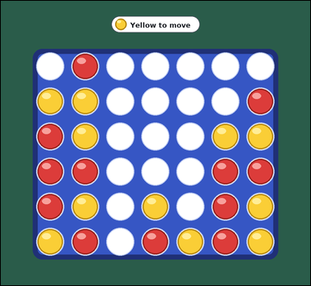 | 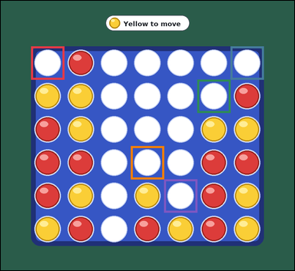 | task_games_connect_four_move_count | safe_move_count | Use the visible Connect Four board state in the image. It shows one visible Connect Four board in a crowded late-game position with red and yellow discs. Answer the question using the visible board state. It is Yellow's turn. A move drops one disc into a non-full column, and the disc falls to the lowest empty square in that column. A player wins by completing four of their discs in a row horizontally, vertically, or diagonally. A safe move is a legal drop after which the opponent has no immediate winning drop on the next turn. How many legal moves leave Red without an immediate winning reply? Answer with an integer. Return a valid JSON object with keys "evidence" and "answer" in that order. Evidence: set "evidence" to an array of bounding boxes [x1, y1, x2, y2] for every legal landing square that is safe. Answer: set "answer" to the number of legal landing squares that are safe. Example JSON: {"evidence":[[210,340,300,430],[390,340,480,430]],"answer":2} | Use the visible Connect Four board state in the image. It shows one visible Connect Four board in a crowded late-game position with red and yellow discs. Answer the question using the visible board state. It is Yellow's turn. A move drops one disc into a non-full column, and the disc falls to the lowest empty square in that column. A player wins by completing four of their discs in a row horizontally, vertically, or diagonally. A safe move is a legal drop after which the opponent has no immediate winning drop on the next turn. How many legal moves leave Red without an immediate winning reply? Answer with an integer. Return a valid JSON object with key "answer". Answer: set "answer" to the number of legal landing squares that are safe. Example JSON: {"answer":2} | {"evidence": [[101.0, 152.0, 212.0, 263.0], [767.0, 152.0, 878.0, 263.0], [656.0, 263.0, 767.0, 374.0], [434.0, 485.0, 545.0, 596.0], [545.0, 596.0, 656.0, 707.0]], "answer": 5} | [[101.0, 152.0, 212.0, 263.0], [767.0, 152.0, 878.0, 263.0], [656.0, 263.0, 767.0, 374.0], [434.0, 485.0, 545.0, 596.0], [545.0, 596.0, 656.0, 707.0]] | integer | bbox_set | 3.5481191777E+15 | games/task_games_connect_four_move_count/images/safe_move_count/0006.png | games/task_games_connect_four_move_count/data/safe_move_count/0006.json
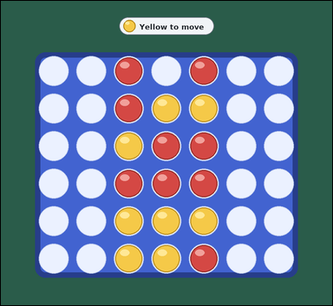 | 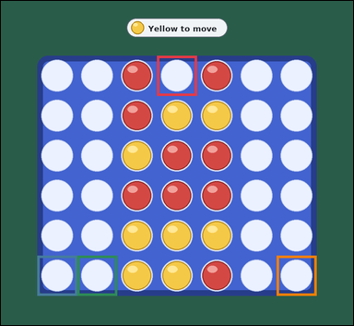 | task_games_connect_four_move_count | safe_move_count | Look at the visible Connect Four board in the image. It shows one visible Connect Four board in a midgame position with red and yellow discs. Use the displayed Connect Four state to determine the requested count. It is Yellow's turn. A move drops one disc into a non-full column, and the disc falls to the lowest empty square in that column. A player wins by completing four of their discs in a row horizontally, vertically, or diagonally. A safe move is a legal drop after which the opponent has no immediate winning drop on the next turn. How many legal moves leave Red without an immediate winning reply? Answer with an integer. Return a valid JSON object with keys "evidence" and "answer" in that order. Evidence format: set "evidence" to an array of bounding boxes [x1, y1, x2, y2] for every legal landing square that is safe. Answer requirement: set "answer" to the number of legal landing squares that are safe. Example JSON: {"evidence":[[210,340,300,430],[390,340,480,430]],"answer":2} | Look at the visible Connect Four board in the image. It shows one visible Connect Four board in a midgame position with red and yellow discs. Use the displayed Connect Four state to determine the requested count. It is Yellow's turn. A move drops one disc into a non-full column, and the disc falls to the lowest empty square in that column. A player wins by completing four of their discs in a row horizontally, vertically, or diagonally. A safe move is a legal drop after which the opponent has no immediate winning drop on the next turn. How many legal moves leave Red without an immediate winning reply? Answer with an integer. Return a valid JSON object with key "answer". Answer: set "answer" to the number of legal landing squares that are safe. Example JSON: {"answer":2} | {"evidence": [[434.0, 152.0, 545.0, 263.0], [101.0, 707.0, 212.0, 818.0], [212.0, 707.0, 323.0, 818.0], [767.0, 707.0, 878.0, 818.0]], "answer": 4} | [[434.0, 152.0, 545.0, 263.0], [101.0, 707.0, 212.0, 818.0], [212.0, 707.0, 323.0, 818.0], [767.0, 707.0, 878.0, 818.0]] | integer | bbox_set | 4.0736579737E+15 | games/task_games_connect_four_move_count/images/safe_move_count/0024.png | games/task_games_connect_four_move_count/data/safe_move_count/0024.json
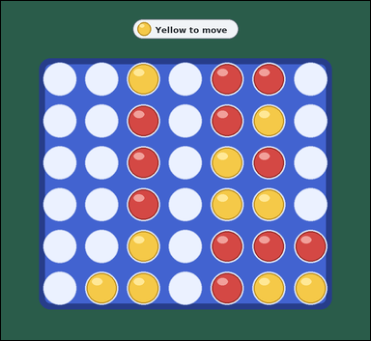 |  | task_games_connect_four_move_count | safe_move_count | The image shows one visible Connect Four board in a midgame position with red and yellow discs. Determine the requested move value from the visible board. It is Yellow's turn. A move drops one disc into a non-full column, and the disc falls to the lowest empty square in that column. A player wins by completing four of their discs in a row horizontally, vertically, or diagonally. A safe move is a legal drop after which the opponent has no immediate winning drop on the next turn. Count the safe legal drops for Yellow. Answer with an integer. Return a valid JSON object with keys "evidence" and "answer" in that order. Evidence format: set "evidence" to an array of bounding boxes [x1, y1, x2, y2] for every legal landing square that is safe. Answer requirement: set "answer" to the number of legal landing squares that are safe. Example JSON: {"evidence":[[210,340,300,430],[390,340,480,430]],"answer":2} | The image shows one visible Connect Four board in a midgame position with red and yellow discs. Determine the requested move value from the visible board. It is Yellow's turn. A move drops one disc into a non-full column, and the disc falls to the lowest empty square in that column. A player wins by completing four of their discs in a row horizontally, vertically, or diagonally. A safe move is a legal drop after which the opponent has no immediate winning drop on the next turn. Count the safe legal drops for Yellow. Answer with an integer. Return a valid JSON object with key "answer". Answer: set "answer" to the number of legal landing squares that are safe. Example JSON: {"answer":2} | {"evidence": [[767.0, 485.0, 878.0, 596.0], [212.0, 596.0, 323.0, 707.0], [101.0, 707.0, 212.0, 818.0]], "answer": 3} | [[767.0, 485.0, 878.0, 596.0], [212.0, 596.0, 323.0, 707.0], [101.0, 707.0, 212.0, 818.0]] | integer | bbox_set | 4.1023506456E+15 | games/task_games_connect_four_move_count/images/safe_move_count/0003.png | games/task_games_connect_four_move_count/data/safe_move_count/0003.json
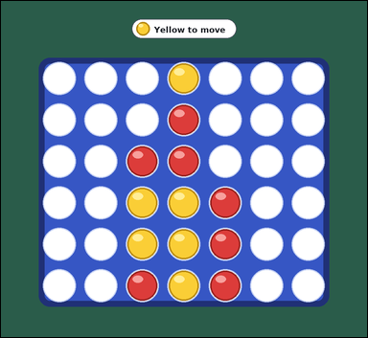 | 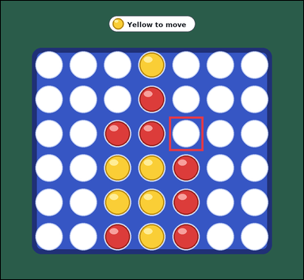 | task_games_connect_four_move_count | safe_move_count | Work from the Connect Four position shown in the image: one visible Connect Four board in a midgame position with red and yellow discs. Read the board and determine the requested value. It is Yellow's turn. A move drops one disc into a non-full column, and the disc falls to the lowest empty square in that column. A player wins by completing four of their discs in a row horizontally, vertically, or diagonally. A safe move is a legal drop after which the opponent has no immediate winning drop on the next turn. How many legal drops are safe for Yellow? Answer with an integer. Return a valid JSON object with keys "evidence" and "answer" in that order. Evidence field: set "evidence" to an array of bounding boxes [x1, y1, x2, y2] for every legal landing square that is safe. Answer field: set "answer" to the number of legal landing squares that are safe. Example JSON: {"evidence":[[210,340,300,430],[390,340,480,430]],"answer":2} | Work from the Connect Four position shown in the image: one visible Connect Four board in a midgame position with red and yellow discs. Read the board and determine the requested value. It is Yellow's turn. A move drops one disc into a non-full column, and the disc falls to the lowest empty square in that column. A player wins by completing four of their discs in a row horizontally, vertically, or diagonally. A safe move is a legal drop after which the opponent has no immediate winning drop on the next turn. How many legal drops are safe for Yellow? Answer with an integer. Return a valid JSON object with key "answer". Answer requirement: set "answer" to the number of legal landing squares that are safe. Example JSON: {"answer":2} | {"evidence": [[545.0, 374.0, 656.0, 485.0]], "answer": 1} | [[545.0, 374.0, 656.0, 485.0]] | integer | bbox_set | 4.4491451921E+15 | games/task_games_connect_four_move_count/images/safe_move_count/0002.png | games/task_games_connect_four_move_count/data/safe_move_count/0002.json
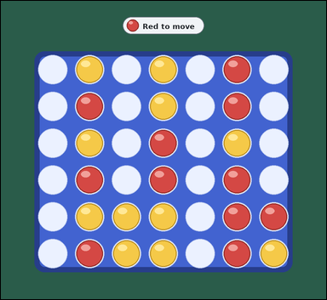 | 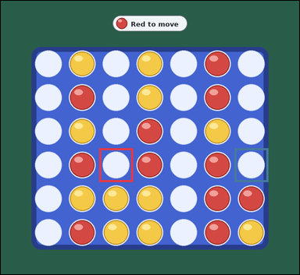 | task_games_connect_four_move_count | safe_move_count | The image shows one visible Connect Four board in a midgame position with red and yellow discs. Read the board and determine the requested value. It is Red's turn. A move drops one disc into a non-full column, and the disc falls to the lowest empty square in that column. A player wins by completing four of their discs in a row horizontally, vertically, or diagonally. A safe move is a legal drop after which the opponent has no immediate winning drop on the next turn. How many legal drops are safe for Red? Answer with an integer. Return a valid JSON object with keys "evidence" and "answer" in that order. Evidence: set "evidence" to an array of bounding boxes [x1, y1, x2, y2] for every legal landing square that is safe. Answer: set "answer" to the number of legal landing squares that are safe. Example JSON: {"evidence":[[210,340,300,430],[390,340,480,430]],"answer":2} | The image shows one visible Connect Four board in a midgame position with red and yellow discs. Read the board and determine the requested value. It is Red's turn. A move drops one disc into a non-full column, and the disc falls to the lowest empty square in that column. A player wins by completing four of their discs in a row horizontally, vertically, or diagonally. A safe move is a legal drop after which the opponent has no immediate winning drop on the next turn. How many legal drops are safe for Red? Answer with an integer. Return a valid JSON object with key "answer". Answer: set "answer" to the number of legal landing squares that are safe. Example JSON: {"answer":2} | {"evidence": [[323.0, 485.0, 434.0, 596.0], [767.0, 485.0, 878.0, 596.0]], "answer": 2} | [[323.0, 485.0, 434.0, 596.0], [767.0, 485.0, 878.0, 596.0]] | integer | bbox_set | 4.4803005563E+15 | games/task_games_connect_four_move_count/images/safe_move_count/0008.png | games/task_games_connect_four_move_count/data/safe_move_count/0008.json
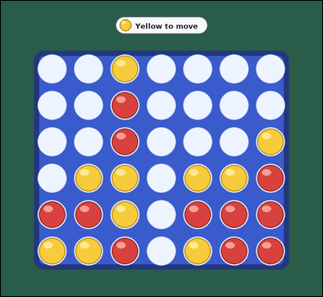 | 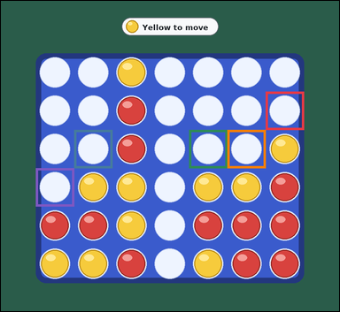 | task_games_connect_four_move_count | safe_move_count | You are given a Connect Four board image with one visible Connect Four board in a midgame position with red and yellow discs. Determine the requested move value from the visible board. It is Yellow's turn. A move drops one disc into a non-full column, and the disc falls to the lowest empty square in that column. A player wins by completing four of their discs in a row horizontally, vertically, or diagonally. A safe move is a legal drop after which the opponent has no immediate winning drop on the next turn. Determine the number of safe legal drops for Yellow. Answer with an integer. Return a valid JSON object with keys "evidence" and "answer" in that order. Evidence rule: set "evidence" to an array of bounding boxes [x1, y1, x2, y2] for every legal landing square that is safe. Answer rule: set "answer" to the number of legal landing squares that are safe. Example JSON: {"evidence":[[210,340,300,430],[390,340,480,430]],"answer":2} | You are given a Connect Four board image with one visible Connect Four board in a midgame position with red and yellow discs. Determine the requested move value from the visible board. It is Yellow's turn. A move drops one disc into a non-full column, and the disc falls to the lowest empty square in that column. A player wins by completing four of their discs in a row horizontally, vertically, or diagonally. A safe move is a legal drop after which the opponent has no immediate winning drop on the next turn. Determine the number of safe legal drops for Yellow. Answer with an integer. Return a valid JSON object with key "answer". Answer rule: set "answer" to the number of legal landing squares that are safe. Example JSON: {"answer":2} | {"evidence": [[767.0, 263.0, 878.0, 374.0], [212.0, 374.0, 323.0, 485.0], [545.0, 374.0, 656.0, 485.0], [656.0, 374.0, 767.0, 485.0], [101.0, 485.0, 212.0, 596.0]], "answer": 5} | [[767.0, 263.0, 878.0, 374.0], [212.0, 374.0, 323.0, 485.0], [545.0, 374.0, 656.0, 485.0], [656.0, 374.0, 767.0, 485.0], [101.0, 485.0, 212.0, 596.0]] | integer | bbox_set | 4.659052736E+15 | games/task_games_connect_four_move_count/images/safe_move_count/0011.png | games/task_games_connect_four_move_count/data/safe_move_count/0011.json
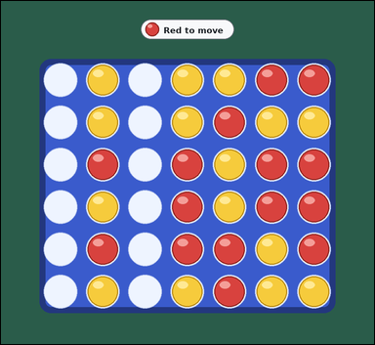 |  | task_games_connect_four_move_count | safe_move_count | You are given a Connect Four board image with one visible Connect Four board in a crowded late-game position with red and yellow discs. Use the displayed Connect Four state to determine the requested count. It is Red's turn. A move drops one disc into a non-full column, and the disc falls to the lowest empty square in that column. A player wins by completing four of their discs in a row horizontally, vertically, or diagonally. A safe move is a legal drop after which the opponent has no immediate winning drop on the next turn. Determine the number of safe legal drops for Red. Answer with an integer. Return a valid JSON object with keys "evidence" and "answer" in that order. Evidence rule: set "evidence" to an array of bounding boxes [x1, y1, x2, y2] for every legal landing square that is safe. Answer rule: set "answer" to the number of legal landing squares that are safe. Example JSON: {"evidence":[[210,340,300,430],[390,340,480,430]],"answer":2} | You are given a Connect Four board image with one visible Connect Four board in a crowded late-game position with red and yellow discs. Use the displayed Connect Four state to determine the requested count. It is Red's turn. A move drops one disc into a non-full column, and the disc falls to the lowest empty square in that column. A player wins by completing four of their discs in a row horizontally, vertically, or diagonally. A safe move is a legal drop after which the opponent has no immediate winning drop on the next turn. Determine the number of safe legal drops for Red. Answer with an integer. Return a valid JSON object with key "answer". Answer requirement: set "answer" to the number of legal landing squares that are safe. Example JSON: {"answer":2} | {"evidence": [[101.0, 707.0, 212.0, 818.0], [323.0, 707.0, 434.0, 818.0]], "answer": 2} | [[101.0, 707.0, 212.0, 818.0], [323.0, 707.0, 434.0, 818.0]] | integer | bbox_set | 4.7250267412E+15 | games/task_games_connect_four_move_count/images/safe_move_count/0010.png | games/task_games_connect_four_move_count/data/safe_move_count/0010.json
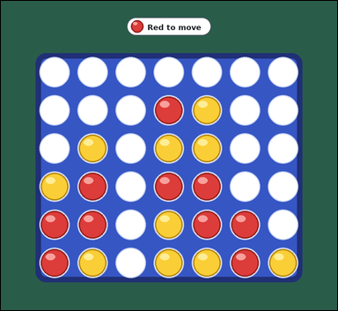 | 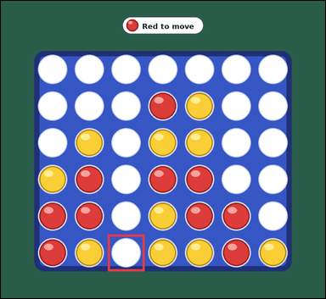 | task_games_connect_four_move_count | safe_move_count | Use the visible Connect Four board state in the image. It shows one visible Connect Four board in a midgame position with red and yellow discs. Answer the question using the visible board state. It is Red's turn. A move drops one disc into a non-full column, and the disc falls to the lowest empty square in that column. A player wins by completing four of their discs in a row horizontally, vertically, or diagonally. A safe move is a legal drop after which the opponent has no immediate winning drop on the next turn. Determine the number of safe legal drops for Red. Answer with an integer. Return a valid JSON object with keys "evidence" and "answer" in that order. Evidence requirement: set "evidence" to an array of bounding boxes [x1, y1, x2, y2] for every legal landing square that is safe. Answer format: set "answer" to the number of legal landing squares that are safe. Example JSON: {"evidence":[[210,340,300,430],[390,340,480,430]],"answer":2} | Use the visible Connect Four board state in the image. It shows one visible Connect Four board in a midgame position with red and yellow discs. Answer the question using the visible board state. It is Red's turn. A move drops one disc into a non-full column, and the disc falls to the lowest empty square in that column. A player wins by completing four of their discs in a row horizontally, vertically, or diagonally. A safe move is a legal drop after which the opponent has no immediate winning drop on the next turn. Determine the number of safe legal drops for Red. Answer with an integer. Return a valid JSON object with key "answer". Answer: set "answer" to the number of legal landing squares that are safe. Example JSON: {"answer":2} | {"evidence": [[323.0, 707.0, 434.0, 818.0]], "answer": 1} | [[323.0, 707.0, 434.0, 818.0]] | integer | bbox_set | 4.7273470896E+15 | games/task_games_connect_four_move_count/images/safe_move_count/0021.png | games/task_games_connect_four_move_count/data/safe_move_count/0021.json
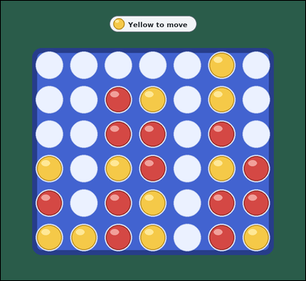 | 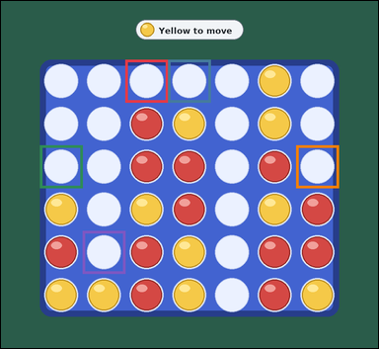 | task_games_connect_four_move_count | safe_move_count | The image shows one visible Connect Four board in a crowded late-game position with red and yellow discs. Use the displayed Connect Four state to determine the requested count. It is Yellow's turn. A move drops one disc into a non-full column, and the disc falls to the lowest empty square in that column. A player wins by completing four of their discs in a row horizontally, vertically, or diagonally. A safe move is a legal drop after which the opponent has no immediate winning drop on the next turn. How many legal drops are safe for Yellow? Answer with an integer. Return a valid JSON object with keys "evidence" and "answer" in that order. Evidence field: set "evidence" to an array of bounding boxes [x1, y1, x2, y2] for every legal landing square that is safe. Answer field: set "answer" to the number of legal landing squares that are safe. Example JSON: {"evidence":[[210,340,300,430],[390,340,480,430]],"answer":2} | The image shows one visible Connect Four board in a crowded late-game position with red and yellow discs. Use the displayed Connect Four state to determine the requested count. It is Yellow's turn. A move drops one disc into a non-full column, and the disc falls to the lowest empty square in that column. A player wins by completing four of their discs in a row horizontally, vertically, or diagonally. A safe move is a legal drop after which the opponent has no immediate winning drop on the next turn. How many legal drops are safe for Yellow? Answer with an integer. Return a valid JSON object with key "answer". Answer field: set "answer" to the number of legal landing squares that are safe. Example JSON: {"answer":2} | {"evidence": [[323.0, 152.0, 434.0, 263.0], [434.0, 152.0, 545.0, 263.0], [101.0, 374.0, 212.0, 485.0], [767.0, 374.0, 878.0, 485.0], [212.0, 596.0, 323.0, 707.0]], "answer": 5} | [[323.0, 152.0, 434.0, 263.0], [434.0, 152.0, 545.0, 263.0], [101.0, 374.0, 212.0, 485.0], [767.0, 374.0, 878.0, 485.0], [212.0, 596.0, 323.0, 707.0]] | integer | bbox_set | 4.7680088419E+15 | games/task_games_connect_four_move_count/images/safe_move_count/0017.png | games/task_games_connect_four_move_count/data/safe_move_count/0017.json
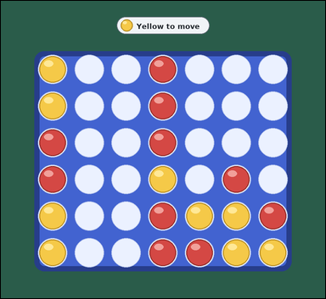 | 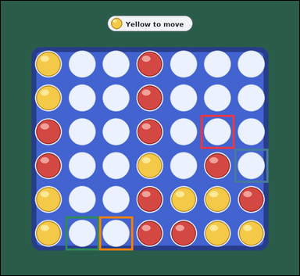 | task_games_connect_four_move_count | safe_move_count | Work from the Connect Four position shown in the image: one visible Connect Four board in a midgame position with red and yellow discs. Read the board and determine the requested value. It is Yellow's turn. A move drops one disc into a non-full column, and the disc falls to the lowest empty square in that column. A player wins by completing four of their discs in a row horizontally, vertically, or diagonally. A safe move is a legal drop after which the opponent has no immediate winning drop on the next turn. Count the safe legal drops for Yellow. Answer with an integer. Return a valid JSON object with keys "evidence" and "answer" in that order. Evidence: set "evidence" to an array of bounding boxes [x1, y1, x2, y2] for every legal landing square that is safe. Answer: set "answer" to the number of legal landing squares that are safe. Example JSON: {"evidence":[[210,340,300,430],[390,340,480,430]],"answer":2} | Work from the Connect Four position shown in the image: one visible Connect Four board in a midgame position with red and yellow discs. Read the board and determine the requested value. It is Yellow's turn. A move drops one disc into a non-full column, and the disc falls to the lowest empty square in that column. A player wins by completing four of their discs in a row horizontally, vertically, or diagonally. A safe move is a legal drop after which the opponent has no immediate winning drop on the next turn. Count the safe legal drops for Yellow. Answer with an integer. Return a valid JSON object with key "answer". Answer field: set "answer" to the number of legal landing squares that are safe. Example JSON: {"answer":2} | {"evidence": [[656.0, 374.0, 767.0, 485.0], [767.0, 485.0, 878.0, 596.0], [212.0, 707.0, 323.0, 818.0], [323.0, 707.0, 434.0, 818.0]], "answer": 4} | [[656.0, 374.0, 767.0, 485.0], [767.0, 485.0, 878.0, 596.0], [212.0, 707.0, 323.0, 818.0], [323.0, 707.0, 434.0, 818.0]] | integer | bbox_set | 5.4891818631E+15 | games/task_games_connect_four_move_count/images/safe_move_count/0018.png | games/task_games_connect_four_move_count/data/safe_move_count/0018.json
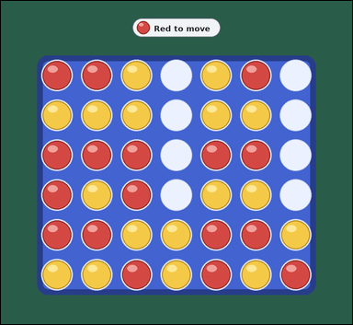 | 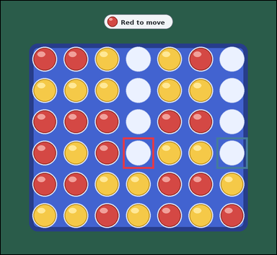 | task_games_connect_four_move_count | safe_move_count | You are given a Connect Four board image with one visible Connect Four board in a crowded late-game position with red and yellow discs. Answer the question using the visible board state. It is Red's turn. A move drops one disc into a non-full column, and the disc falls to the lowest empty square in that column. A player wins by completing four of their discs in a row horizontally, vertically, or diagonally. A safe move is a legal drop after which the opponent has no immediate winning drop on the next turn. What is the number of safe landing squares for Red? Answer with an integer. Return a valid JSON object with keys "evidence" and "answer" in that order. Evidence field: set "evidence" to an array of bounding boxes [x1, y1, x2, y2] for every legal landing square that is safe. Answer field: set "answer" to the number of legal landing squares that are safe. Example JSON: {"evidence":[[210,340,300,430],[390,340,480,430]],"answer":2} | You are given a Connect Four board image with one visible Connect Four board in a crowded late-game position with red and yellow discs. Answer the question using the visible board state. It is Red's turn. A move drops one disc into a non-full column, and the disc falls to the lowest empty square in that column. A player wins by completing four of their discs in a row horizontally, vertically, or diagonally. A safe move is a legal drop after which the opponent has no immediate winning drop on the next turn. What is the number of safe landing squares for Red? Answer with an integer. Return a valid JSON object with key "answer". Answer: set "answer" to the number of legal landing squares that are safe. Example JSON: {"answer":2} | {"evidence": [[434.0, 485.0, 545.0, 596.0], [767.0, 485.0, 878.0, 596.0]], "answer": 2} | [[434.0, 485.0, 545.0, 596.0], [767.0, 485.0, 878.0, 596.0]] | integer | bbox_set | 6.2607128075E+15 | games/task_games_connect_four_move_count/images/safe_move_count/0007.png | games/task_games_connect_four_move_count/data/safe_move_count/0007.json
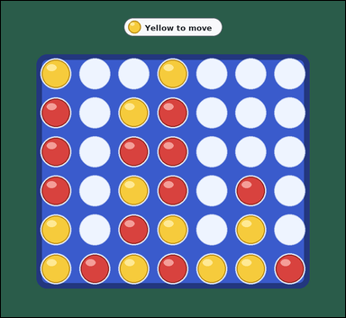 | 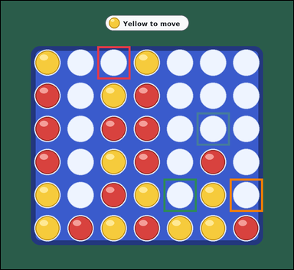 | task_games_connect_four_move_count | safe_move_count | The image shows one visible Connect Four board in a crowded late-game position with red and yellow discs. Work from the shown Connect Four position to answer the question. It is Yellow's turn. A move drops one disc into a non-full column, and the disc falls to the lowest empty square in that column. A player wins by completing four of their discs in a row horizontally, vertically, or diagonally. A safe move is a legal drop after which the opponent has no immediate winning drop on the next turn. How many legal drops are safe for Yellow? Answer with an integer. Return a valid JSON object with keys "evidence" and "answer" in that order. Evidence rule: set "evidence" to an array of bounding boxes [x1, y1, x2, y2] for every legal landing square that is safe. Answer rule: set "answer" to the number of legal landing squares that are safe. Example JSON: {"evidence":[[210,340,300,430],[390,340,480,430]],"answer":2} | The image shows one visible Connect Four board in a crowded late-game position with red and yellow discs. Work from the shown Connect Four position to answer the question. It is Yellow's turn. A move drops one disc into a non-full column, and the disc falls to the lowest empty square in that column. A player wins by completing four of their discs in a row horizontally, vertically, or diagonally. A safe move is a legal drop after which the opponent has no immediate winning drop on the next turn. How many legal drops are safe for Yellow? Answer with an integer. Return a valid JSON object with key "answer". Answer requirement: set "answer" to the number of legal landing squares that are safe. Example JSON: {"answer":2} | {"evidence": [[323.0, 152.0, 434.0, 263.0], [656.0, 374.0, 767.0, 485.0], [545.0, 596.0, 656.0, 707.0], [767.0, 596.0, 878.0, 707.0]], "answer": 4} | [[323.0, 152.0, 434.0, 263.0], [656.0, 374.0, 767.0, 485.0], [545.0, 596.0, 656.0, 707.0], [767.0, 596.0, 878.0, 707.0]] | integer | bbox_set | 8.5922168139E+15 | games/task_games_connect_four_move_count/images/safe_move_count/0020.png | games/task_games_connect_four_move_count/data/safe_move_count/0020.json
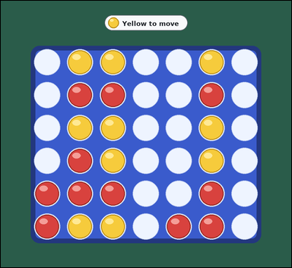 | 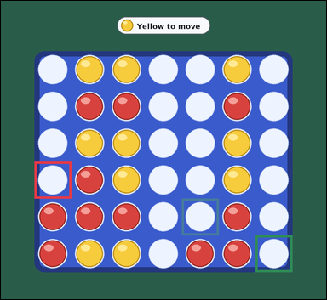 | task_games_connect_four_move_count | safe_move_count | You are given a Connect Four board image with one visible Connect Four board in a midgame position with red and yellow discs. Read the board and determine the requested value. It is Yellow's turn. A move drops one disc into a non-full column, and the disc falls to the lowest empty square in that column. A player wins by completing four of their discs in a row horizontally, vertically, or diagonally. A safe move is a legal drop after which the opponent has no immediate winning drop on the next turn. Count the safe legal drops for Yellow. Answer with an integer. Return a valid JSON object with keys "evidence" and "answer" in that order. Evidence field: set "evidence" to an array of bounding boxes [x1, y1, x2, y2] for every legal landing square that is safe. Answer field: set "answer" to the number of legal landing squares that are safe. Example JSON: {"evidence":[[210,340,300,430],[390,340,480,430]],"answer":2} | You are given a Connect Four board image with one visible Connect Four board in a midgame position with red and yellow discs. Read the board and determine the requested value. It is Yellow's turn. A move drops one disc into a non-full column, and the disc falls to the lowest empty square in that column. A player wins by completing four of their discs in a row horizontally, vertically, or diagonally. A safe move is a legal drop after which the opponent has no immediate winning drop on the next turn. Count the safe legal drops for Yellow. Answer with an integer. Return a valid JSON object with key "answer". Answer format: set "answer" to the number of legal landing squares that are safe. Example JSON: {"answer":2} | {"evidence": [[101.0, 485.0, 212.0, 596.0], [545.0, 596.0, 656.0, 707.0], [767.0, 707.0, 878.0, 818.0]], "answer": 3} | [[101.0, 485.0, 212.0, 596.0], [545.0, 596.0, 656.0, 707.0], [767.0, 707.0, 878.0, 818.0]] | integer | bbox_set | 8.8356307891E+15 | games/task_games_connect_four_move_count/images/safe_move_count/0019.png | games/task_games_connect_four_move_count/data/safe_move_count/0019.json
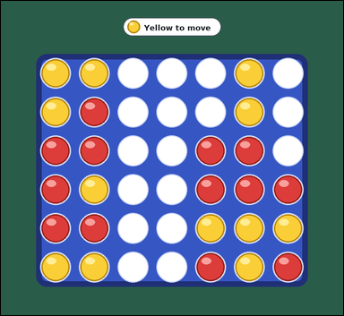 | 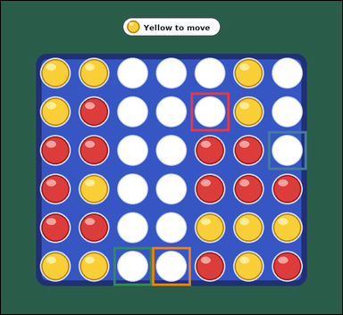 | task_games_connect_four_move_count | safe_move_count | You are given a Connect Four board image with one visible Connect Four board in a crowded late-game position with red and yellow discs. Answer the question using the visible board state. It is Yellow's turn. A move drops one disc into a non-full column, and the disc falls to the lowest empty square in that column. A player wins by completing four of their discs in a row horizontally, vertically, or diagonally. A safe move is a legal drop after which the opponent has no immediate winning drop on the next turn. Determine the number of safe legal drops for Yellow. Answer with an integer. Return a valid JSON object with keys "evidence" and "answer" in that order. Evidence field: set "evidence" to an array of bounding boxes [x1, y1, x2, y2] for every legal landing square that is safe. Answer field: set "answer" to the number of legal landing squares that are safe. Example JSON: {"evidence":[[210,340,300,430],[390,340,480,430]],"answer":2} | You are given a Connect Four board image with one visible Connect Four board in a crowded late-game position with red and yellow discs. Answer the question using the visible board state. It is Yellow's turn. A move drops one disc into a non-full column, and the disc falls to the lowest empty square in that column. A player wins by completing four of their discs in a row horizontally, vertically, or diagonally. A safe move is a legal drop after which the opponent has no immediate winning drop on the next turn. Determine the number of safe legal drops for Yellow. Answer with an integer. Return a valid JSON object with key "answer". Answer format: set "answer" to the number of legal landing squares that are safe. Example JSON: {"answer":2} | {"evidence": [[545.0, 263.0, 656.0, 374.0], [767.0, 374.0, 878.0, 485.0], [323.0, 707.0, 434.0, 818.0], [434.0, 707.0, 545.0, 818.0]], "answer": 4} | [[545.0, 263.0, 656.0, 374.0], [767.0, 374.0, 878.0, 485.0], [323.0, 707.0, 434.0, 818.0], [434.0, 707.0, 545.0, 818.0]] | integer | bbox_set | 8.9093168753E+15 | games/task_games_connect_four_move_count/images/safe_move_count/0023.png | games/task_games_connect_four_move_count/data/safe_move_count/0023.json

winning_move_count
image | evidence_image | task | task_variant | prompt | prompt_answer_only | answer | answer_evidence | answer_type | evidence_type | instance_seed | image_path | data_path
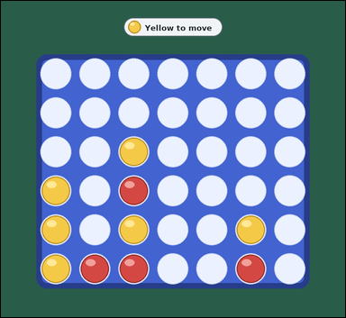 |  | task_games_connect_four_move_count | winning_move_count | You are given a Connect Four board image with one visible Connect Four board in a midgame position with red and yellow discs. Read the board and determine the requested value. It is Yellow's turn. A move drops one disc into a non-full column, and the disc falls to the lowest empty square in that column. A player wins by completing four of their discs in a row horizontally, vertically, or diagonally. What is the number of immediate winning landing squares for Yellow? Answer with an integer. Return a valid JSON object with keys "evidence" and "answer" in that order. Evidence requirement: set "evidence" to an array of bounding boxes [x1, y1, x2, y2] for every landing square where the current player can win immediately. Answer format: set "answer" to the number of legal landing squares where the current player wins immediately. Example JSON: {"evidence":[[210,340,300,430],[390,340,480,430]],"answer":2} | You are given a Connect Four board image with one visible Connect Four board in a midgame position with red and yellow discs. Read the board and determine the requested value. It is Yellow's turn. A move drops one disc into a non-full column, and the disc falls to the lowest empty square in that column. A player wins by completing four of their discs in a row horizontally, vertically, or diagonally. What is the number of immediate winning landing squares for Yellow? Answer with an integer. Return a valid JSON object with key "answer". Answer rule: set "answer" to the number of legal landing squares where the current player wins immediately. Example JSON: {"answer":2} | {"evidence": [[101.0, 374.0, 212.0, 485.0]], "answer": 1} | [[101.0, 374.0, 212.0, 485.0]] | integer | bbox_set | 1.0769034291E+15 | games/task_games_connect_four_move_count/images/winning_move_count/0002.png | games/task_games_connect_four_move_count/data/winning_move_count/0002.json
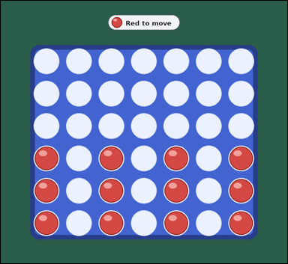 | 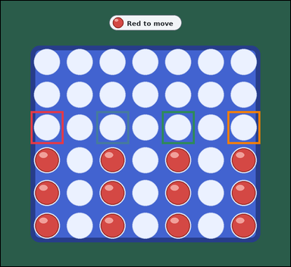 | task_games_connect_four_move_count | winning_move_count | Work from the Connect Four position shown in the image: one visible Connect Four board in a midgame position with red and yellow discs. Read the board and determine the requested value. It is Red's turn. A move drops one disc into a non-full column, and the disc falls to the lowest empty square in that column. A player wins by completing four of their discs in a row horizontally, vertically, or diagonally. What is the number of immediate winning landing squares for Red? Answer with an integer. Return a valid JSON object with keys "evidence" and "answer" in that order. Evidence: set "evidence" to an array of bounding boxes [x1, y1, x2, y2] for every landing square where the current player can win immediately. Answer: set "answer" to the number of legal landing squares where the current player wins immediately. Example JSON: {"evidence":[[210,340,300,430],[390,340,480,430]],"answer":2} | Work from the Connect Four position shown in the image: one visible Connect Four board in a midgame position with red and yellow discs. Read the board and determine the requested value. It is Red's turn. A move drops one disc into a non-full column, and the disc falls to the lowest empty square in that column. A player wins by completing four of their discs in a row horizontally, vertically, or diagonally. What is the number of immediate winning landing squares for Red? Answer with an integer. Return a valid JSON object with key "answer". Answer: set "answer" to the number of legal landing squares where the current player wins immediately. Example JSON: {"answer":2} | {"evidence": [[101.0, 374.0, 212.0, 485.0], [323.0, 374.0, 434.0, 485.0], [545.0, 374.0, 656.0, 485.0], [767.0, 374.0, 878.0, 485.0]], "answer": 4} | [[101.0, 374.0, 212.0, 485.0], [323.0, 374.0, 434.0, 485.0], [545.0, 374.0, 656.0, 485.0], [767.0, 374.0, 878.0, 485.0]] | integer | bbox_set | 1.3693868054E+15 | games/task_games_connect_four_move_count/images/winning_move_count/0021.png | games/task_games_connect_four_move_count/data/winning_move_count/0021.json
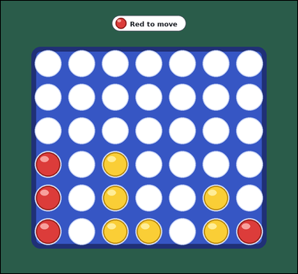 | 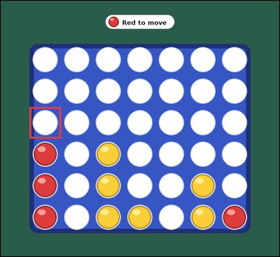 | task_games_connect_four_move_count | winning_move_count | Look at the visible Connect Four board in the image. It shows one visible Connect Four board in a midgame position with red and yellow discs. Determine the requested move value from the visible board. It is Red's turn. A move drops one disc into a non-full column, and the disc falls to the lowest empty square in that column. A player wins by completing four of their discs in a row horizontally, vertically, or diagonally. Determine how many legal drops would complete a win immediately for Red. Answer with an integer. Return a valid JSON object with keys "evidence" and "answer" in that order. Evidence requirement: set "evidence" to an array of bounding boxes [x1, y1, x2, y2] for every landing square where the current player can win immediately. Answer format: set "answer" to the number of legal landing squares where the current player wins immediately. Example JSON: {"evidence":[[210,340,300,430],[390,340,480,430]],"answer":2} | Look at the visible Connect Four board in the image. It shows one visible Connect Four board in a midgame position with red and yellow discs. Determine the requested move value from the visible board. It is Red's turn. A move drops one disc into a non-full column, and the disc falls to the lowest empty square in that column. A player wins by completing four of their discs in a row horizontally, vertically, or diagonally. Determine how many legal drops would complete a win immediately for Red. Answer with an integer. Return a valid JSON object with key "answer". Answer: set "answer" to the number of legal landing squares where the current player wins immediately. Example JSON: {"answer":2} | {"evidence": [[101.0, 374.0, 212.0, 485.0]], "answer": 1} | [[101.0, 374.0, 212.0, 485.0]] | integer | bbox_set | 1.6026779248E+15 | games/task_games_connect_four_move_count/images/winning_move_count/0023.png | games/task_games_connect_four_move_count/data/winning_move_count/0023.json
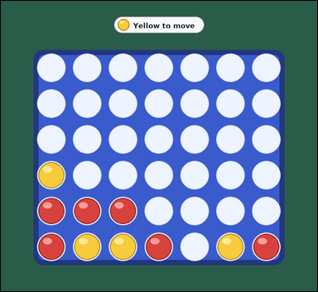 |  | task_games_connect_four_move_count | winning_move_count | Work from the Connect Four position shown in the image: one visible Connect Four board in a midgame position with red and yellow discs. Answer the question using the visible board state. It is Yellow's turn. A move drops one disc into a non-full column, and the disc falls to the lowest empty square in that column. A player wins by completing four of their discs in a row horizontally, vertically, or diagonally. Count the legal moves that would win at once for Yellow. Answer with an integer. Return a valid JSON object with keys "evidence" and "answer" in that order. Evidence: set "evidence" to an array of bounding boxes [x1, y1, x2, y2] for every landing square where the current player can win immediately. Answer: set "answer" to the number of legal landing squares where the current player wins immediately. Example JSON: {"evidence":[[210,340,300,430],[390,340,480,430]],"answer":2} | Work from the Connect Four position shown in the image: one visible Connect Four board in a midgame position with red and yellow discs. Answer the question using the visible board state. It is Yellow's turn. A move drops one disc into a non-full column, and the disc falls to the lowest empty square in that column. A player wins by completing four of their discs in a row horizontally, vertically, or diagonally. Count the legal moves that would win at once for Yellow. Answer with an integer. Return a valid JSON object with key "answer". Answer field: set "answer" to the number of legal landing squares where the current player wins immediately. Example JSON: {"answer":2} | {"evidence": [], "answer": 0} | [] | integer | bbox_set | 2.2688333974E+15 | games/task_games_connect_four_move_count/images/winning_move_count/0019.png | games/task_games_connect_four_move_count/data/winning_move_count/0019.json
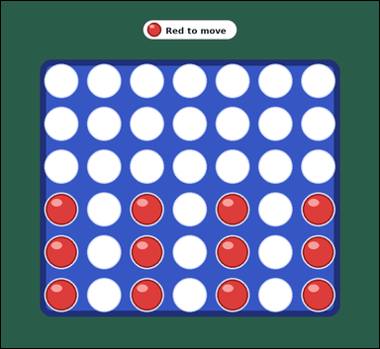 |  | task_games_connect_four_move_count | winning_move_count | The image shows one visible Connect Four board in a midgame position with red and yellow discs. Answer the question using the visible board state. It is Red's turn. A move drops one disc into a non-full column, and the disc falls to the lowest empty square in that column. A player wins by completing four of their discs in a row horizontally, vertically, or diagonally. Determine how many legal drops would complete a win immediately for Red. Answer with an integer. Return a valid JSON object with keys "evidence" and "answer" in that order. Evidence: set "evidence" to an array of bounding boxes [x1, y1, x2, y2] for every landing square where the current player can win immediately. Answer: set "answer" to the number of legal landing squares where the current player wins immediately. Example JSON: {"evidence":[[210,340,300,430],[390,340,480,430]],"answer":2} | The image shows one visible Connect Four board in a midgame position with red and yellow discs. Answer the question using the visible board state. It is Red's turn. A move drops one disc into a non-full column, and the disc falls to the lowest empty square in that column. A player wins by completing four of their discs in a row horizontally, vertically, or diagonally. Determine how many legal drops would complete a win immediately for Red. Answer with an integer. Return a valid JSON object with key "answer". Answer rule: set "answer" to the number of legal landing squares where the current player wins immediately. Example JSON: {"answer":2} | {"evidence": [[101.0, 374.0, 212.0, 485.0], [323.0, 374.0, 434.0, 485.0], [545.0, 374.0, 656.0, 485.0], [767.0, 374.0, 878.0, 485.0]], "answer": 4} | [[101.0, 374.0, 212.0, 485.0], [323.0, 374.0, 434.0, 485.0], [545.0, 374.0, 656.0, 485.0], [767.0, 374.0, 878.0, 485.0]] | integer | bbox_set | 2.4176705047E+15 | games/task_games_connect_four_move_count/images/winning_move_count/0001.png | games/task_games_connect_four_move_count/data/winning_move_count/0001.json
 |  | task_games_connect_four_move_count | winning_move_count | You are given a Connect Four board image with one visible Connect Four board in a midgame position with red and yellow discs. Work from the shown Connect Four position to answer the question. It is Red's turn. A move drops one disc into a non-full column, and the disc falls to the lowest empty square in that column. A player wins by completing four of their discs in a row horizontally, vertically, or diagonally. Determine how many legal drops would complete a win immediately for Red. Answer with an integer. Return a valid JSON object with keys "evidence" and "answer" in that order. Evidence field: set "evidence" to an array of bounding boxes [x1, y1, x2, y2] for every landing square where the current player can win immediately. Answer field: set "answer" to the number of legal landing squares where the current player wins immediately. Example JSON: {"evidence":[[210,340,300,430],[390,340,480,430]],"answer":2} | You are given a Connect Four board image with one visible Connect Four board in a midgame position with red and yellow discs. Work from the shown Connect Four position to answer the question. It is Red's turn. A move drops one disc into a non-full column, and the disc falls to the lowest empty square in that column. A player wins by completing four of their discs in a row horizontally, vertically, or diagonally. Determine how many legal drops would complete a win immediately for Red. Answer with an integer. Return a valid JSON object with key "answer". Answer field: set "answer" to the number of legal landing squares where the current player wins immediately. Example JSON: {"answer":2} | {"evidence": [[101.0, 374.0, 212.0, 485.0], [323.0, 374.0, 434.0, 485.0], [545.0, 374.0, 656.0, 485.0], [767.0, 374.0, 878.0, 485.0]], "answer": 4} | [[101.0, 374.0, 212.0, 485.0], [323.0, 374.0, 434.0, 485.0], [545.0, 374.0, 656.0, 485.0], [767.0, 374.0, 878.0, 485.0]] | integer | bbox_set | 3.0011525514E+15 | games/task_games_connect_four_move_count/images/winning_move_count/0018.png | games/task_games_connect_four_move_count/data/winning_move_count/0018.json
 |  | task_games_connect_four_move_count | winning_move_count | Look at the visible Connect Four board in the image. It shows one visible Connect Four board in a crowded late-game position with red and yellow discs. Read the board and determine the requested value. It is Yellow's turn. A move drops one disc into a non-full column, and the disc falls to the lowest empty square in that column. A player wins by completing four of their discs in a row horizontally, vertically, or diagonally. How many columns give Yellow an immediate win on this move? Answer with an integer. Return a valid JSON object with keys "evidence" and "answer" in that order. Evidence requirement: set "evidence" to an array of bounding boxes [x1, y1, x2, y2] for every landing square where the current player can win immediately. Answer format: set "answer" to the number of legal landing squares where the current player wins immediately. Example JSON: {"evidence":[[210,340,300,430],[390,340,480,430]],"answer":2} | Look at the visible Connect Four board in the image. It shows one visible Connect Four board in a crowded late-game position with red and yellow discs. Read the board and determine the requested value. It is Yellow's turn. A move drops one disc into a non-full column, and the disc falls to the lowest empty square in that column. A player wins by completing four of their discs in a row horizontally, vertically, or diagonally. How many columns give Yellow an immediate win on this move? Answer with an integer. Return a valid JSON object with key "answer". Answer: set "answer" to the number of legal landing squares where the current player wins immediately. Example JSON: {"answer":2} | {"evidence": [[101.0, 374.0, 212.0, 485.0]], "answer": 1} | [[101.0, 374.0, 212.0, 485.0]] | integer | bbox_set | 3.8631970998E+15 | games/task_games_connect_four_move_count/images/winning_move_count/0015.png | games/task_games_connect_four_move_count/data/winning_move_count/0015.json
 |  | task_games_connect_four_move_count | winning_move_count | Look at the visible Connect Four board in the image. It shows one visible Connect Four board in a crowded late-game position with red and yellow discs. Use the displayed Connect Four state to determine the requested count. It is Yellow's turn. A move drops one disc into a non-full column, and the disc falls to the lowest empty square in that column. A player wins by completing four of their discs in a row horizontally, vertically, or diagonally. How many columns give Yellow an immediate win on this move? Answer with an integer. Return a valid JSON object with keys "evidence" and "answer" in that order. Evidence requirement: set "evidence" to an array of bounding boxes [x1, y1, x2, y2] for every landing square where the current player can win immediately. Answer format: set "answer" to the number of legal landing squares where the current player wins immediately. Example JSON: {"evidence":[[210,340,300,430],[390,340,480,430]],"answer":2} | Look at the visible Connect Four board in the image. It shows one visible Connect Four board in a crowded late-game position with red and yellow discs. Use the displayed Connect Four state to determine the requested count. It is Yellow's turn. A move drops one disc into a non-full column, and the disc falls to the lowest empty square in that column. A player wins by completing four of their discs in a row horizontally, vertically, or diagonally. How many columns give Yellow an immediate win on this move? Answer with an integer. Return a valid JSON object with key "answer". Answer requirement: set "answer" to the number of legal landing squares where the current player wins immediately. Example JSON: {"answer":2} | {"evidence": [], "answer": 0} | [] | integer | bbox_set | 4.0253629493E+15 | games/task_games_connect_four_move_count/images/winning_move_count/0024.png | games/task_games_connect_four_move_count/data/winning_move_count/0024.json
 |  | task_games_connect_four_move_count | winning_move_count | Work from the Connect Four position shown in the image: one visible Connect Four board in a midgame position with red and yellow discs. Work from the shown Connect Four position to answer the question. It is Red's turn. A move drops one disc into a non-full column, and the disc falls to the lowest empty square in that column. A player wins by completing four of their discs in a row horizontally, vertically, or diagonally. Determine how many legal drops would complete a win immediately for Red. Answer with an integer. Return a valid JSON object with keys "evidence" and "answer" in that order. Evidence requirement: set "evidence" to an array of bounding boxes [x1, y1, x2, y2] for every landing square where the current player can win immediately. Answer format: set "answer" to the number of legal landing squares where the current player wins immediately. Example JSON: {"evidence":[[210,340,300,430],[390,340,480,430]],"answer":2} | Work from the Connect Four position shown in the image: one visible Connect Four board in a midgame position with red and yellow discs. Work from the shown Connect Four position to answer the question. It is Red's turn. A move drops one disc into a non-full column, and the disc falls to the lowest empty square in that column. A player wins by completing four of their discs in a row horizontally, vertically, or diagonally. Determine how many legal drops would complete a win immediately for Red. Answer with an integer. Return a valid JSON object with key "answer". Answer rule: set "answer" to the number of legal landing squares where the current player wins immediately. Example JSON: {"answer":2} | {"evidence": [[323.0, 374.0, 434.0, 485.0], [767.0, 374.0, 878.0, 485.0]], "answer": 2} | [[323.0, 374.0, 434.0, 485.0], [767.0, 374.0, 878.0, 485.0]] | integer | bbox_set | 4.4043389912E+15 | games/task_games_connect_four_move_count/images/winning_move_count/0022.png | games/task_games_connect_four_move_count/data/winning_move_count/0022.json
 |  | task_games_connect_four_move_count | winning_move_count | Look at the visible Connect Four board in the image. It shows one visible Connect Four board in a midgame position with red and yellow discs. Use the displayed Connect Four state to determine the requested count. It is Yellow's turn. A move drops one disc into a non-full column, and the disc falls to the lowest empty square in that column. A player wins by completing four of their discs in a row horizontally, vertically, or diagonally. Determine how many legal drops would complete a win immediately for Yellow. Answer with an integer. Return a valid JSON object with keys "evidence" and "answer" in that order. Evidence rule: set "evidence" to an array of bounding boxes [x1, y1, x2, y2] for every landing square where the current player can win immediately. Answer rule: set "answer" to the number of legal landing squares where the current player wins immediately. Example JSON: {"evidence":[[210,340,300,430],[390,340,480,430]],"answer":2} | Look at the visible Connect Four board in the image. It shows one visible Connect Four board in a midgame position with red and yellow discs. Use the displayed Connect Four state to determine the requested count. It is Yellow's turn. A move drops one disc into a non-full column, and the disc falls to the lowest empty square in that column. A player wins by completing four of their discs in a row horizontally, vertically, or diagonally. Determine how many legal drops would complete a win immediately for Yellow. Answer with an integer. Return a valid JSON object with key "answer". Answer requirement: set "answer" to the number of legal landing squares where the current player wins immediately. Example JSON: {"answer":2} | {"evidence": [[767.0, 374.0, 878.0, 485.0]], "answer": 1} | [[767.0, 374.0, 878.0, 485.0]] | integer | bbox_set | 4.6016059173E+15 | games/task_games_connect_four_move_count/images/winning_move_count/0017.png | games/task_games_connect_four_move_count/data/winning_move_count/0017.json
 |  | task_games_connect_four_move_count | winning_move_count | Use the visible Connect Four board state in the image. It shows one visible Connect Four board in a midgame position with red and yellow discs. Work from the shown Connect Four position to answer the question. It is Red's turn. A move drops one disc into a non-full column, and the disc falls to the lowest empty square in that column. A player wins by completing four of their discs in a row horizontally, vertically, or diagonally. Determine how many legal drops would complete a win immediately for Red. Answer with an integer. Return a valid JSON object with keys "evidence" and "answer" in that order. Evidence: set "evidence" to an array of bounding boxes [x1, y1, x2, y2] for every landing square where the current player can win immediately. Answer: set "answer" to the number of legal landing squares where the current player wins immediately. Example JSON: {"evidence":[[210,340,300,430],[390,340,480,430]],"answer":2} | Use the visible Connect Four board state in the image. It shows one visible Connect Four board in a midgame position with red and yellow discs. Work from the shown Connect Four position to answer the question. It is Red's turn. A move drops one disc into a non-full column, and the disc falls to the lowest empty square in that column. A player wins by completing four of their discs in a row horizontally, vertically, or diagonally. Determine how many legal drops would complete a win immediately for Red. Answer with an integer. Return a valid JSON object with key "answer". Answer: set "answer" to the number of legal landing squares where the current player wins immediately. Example JSON: {"answer":2} | {"evidence": [], "answer": 0} | [] | integer | bbox_set | 4.8312520169E+15 | games/task_games_connect_four_move_count/images/winning_move_count/0005.png | games/task_games_connect_four_move_count/data/winning_move_count/0005.json
 |  | task_games_connect_four_move_count | winning_move_count | You are given a Connect Four board image with one visible Connect Four board in a midgame position with red and yellow discs. Use the displayed Connect Four state to determine the requested count. It is Yellow's turn. A move drops one disc into a non-full column, and the disc falls to the lowest empty square in that column. A player wins by completing four of their discs in a row horizontally, vertically, or diagonally. Count the legal moves that would win at once for Yellow. Answer with an integer. Return a valid JSON object with keys "evidence" and "answer" in that order. Evidence field: set "evidence" to an array of bounding boxes [x1, y1, x2, y2] for every landing square where the current player can win immediately. Answer field: set "answer" to the number of legal landing squares where the current player wins immediately. Example JSON: {"evidence":[[210,340,300,430],[390,340,480,430]],"answer":2} | You are given a Connect Four board image with one visible Connect Four board in a midgame position with red and yellow discs. Use the displayed Connect Four state to determine the requested count. It is Yellow's turn. A move drops one disc into a non-full column, and the disc falls to the lowest empty square in that column. A player wins by completing four of their discs in a row horizontally, vertically, or diagonally. Count the legal moves that would win at once for Yellow. Answer with an integer. Return a valid JSON object with key "answer". Answer requirement: set "answer" to the number of legal landing squares where the current player wins immediately. Example JSON: {"answer":2} | {"evidence": [[101.0, 374.0, 212.0, 485.0], [323.0, 374.0, 434.0, 485.0], [545.0, 374.0, 656.0, 485.0], [767.0, 374.0, 878.0, 485.0]], "answer": 4} | [[101.0, 374.0, 212.0, 485.0], [323.0, 374.0, 434.0, 485.0], [545.0, 374.0, 656.0, 485.0], [767.0, 374.0, 878.0, 485.0]] | integer | bbox_set | 4.9494535554E+15 | games/task_games_connect_four_move_count/images/winning_move_count/0010.png | games/task_games_connect_four_move_count/data/winning_move_count/0010.json
 |  | task_games_connect_four_move_count | winning_move_count | The image shows one visible Connect Four board in a crowded late-game position with red and yellow discs. Read the board and determine the requested value. It is Yellow's turn. A move drops one disc into a non-full column, and the disc falls to the lowest empty square in that column. A player wins by completing four of their discs in a row horizontally, vertically, or diagonally. Determine how many legal drops would complete a win immediately for Yellow. Answer with an integer. Return a valid JSON object with keys "evidence" and "answer" in that order. Evidence rule: set "evidence" to an array of bounding boxes [x1, y1, x2, y2] for every landing square where the current player can win immediately. Answer rule: set "answer" to the number of legal landing squares where the current player wins immediately. Example JSON: {"evidence":[[210,340,300,430],[390,340,480,430]],"answer":2} | The image shows one visible Connect Four board in a crowded late-game position with red and yellow discs. Read the board and determine the requested value. It is Yellow's turn. A move drops one disc into a non-full column, and the disc falls to the lowest empty square in that column. A player wins by completing four of their discs in a row horizontally, vertically, or diagonally. Determine how many legal drops would complete a win immediately for Yellow. Answer with an integer. Return a valid JSON object with key "answer". Answer format: set "answer" to the number of legal landing squares where the current player wins immediately. Example JSON: {"answer":2} | {"evidence": [[101.0, 374.0, 212.0, 485.0]], "answer": 1} | [[101.0, 374.0, 212.0, 485.0]] | integer | bbox_set | 5.2242231314E+15 | games/task_games_connect_four_move_count/images/winning_move_count/0007.png | games/task_games_connect_four_move_count/data/winning_move_count/0007.json
 |  | task_games_connect_four_move_count | winning_move_count | Work from the Connect Four position shown in the image: one visible Connect Four board in a midgame position with red and yellow discs. Use the displayed Connect Four state to determine the requested count. It is Yellow's turn. A move drops one disc into a non-full column, and the disc falls to the lowest empty square in that column. A player wins by completing four of their discs in a row horizontally, vertically, or diagonally. Count the legal moves that would win at once for Yellow. Answer with an integer. Return a valid JSON object with keys "evidence" and "answer" in that order. Evidence field: set "evidence" to an array of bounding boxes [x1, y1, x2, y2] for every landing square where the current player can win immediately. Answer field: set "answer" to the number of legal landing squares where the current player wins immediately. Example JSON: {"evidence":[[210,340,300,430],[390,340,480,430]],"answer":2} | Work from the Connect Four position shown in the image: one visible Connect Four board in a midgame position with red and yellow discs. Use the displayed Connect Four state to determine the requested count. It is Yellow's turn. A move drops one disc into a non-full column, and the disc falls to the lowest empty square in that column. A player wins by completing four of their discs in a row horizontally, vertically, or diagonally. Count the legal moves that would win at once for Yellow. Answer with an integer. Return a valid JSON object with key "answer". Answer field: set "answer" to the number of legal landing squares where the current player wins immediately. Example JSON: {"answer":2} | {"evidence": [[101.0, 374.0, 212.0, 485.0], [545.0, 374.0, 656.0, 485.0]], "answer": 2} | [[101.0, 374.0, 212.0, 485.0], [545.0, 374.0, 656.0, 485.0]] | integer | bbox_set | 5.2413237815E+15 | games/task_games_connect_four_move_count/images/winning_move_count/0020.png | games/task_games_connect_four_move_count/data/winning_move_count/0020.json
 |  | task_games_connect_four_move_count | winning_move_count | Use the visible Connect Four board state in the image. It shows one visible Connect Four board in a crowded late-game position with red and yellow discs. Work from the shown Connect Four position to answer the question. It is Yellow's turn. A move drops one disc into a non-full column, and the disc falls to the lowest empty square in that column. A player wins by completing four of their discs in a row horizontally, vertically, or diagonally. How many legal drops let Yellow win immediately? Answer with an integer. Return a valid JSON object with keys "evidence" and "answer" in that order. Evidence field: set "evidence" to an array of bounding boxes [x1, y1, x2, y2] for every landing square where the current player can win immediately. Answer field: set "answer" to the number of legal landing squares where the current player wins immediately. Example JSON: {"evidence":[[210,340,300,430],[390,340,480,430]],"answer":2} | Use the visible Connect Four board state in the image. It shows one visible Connect Four board in a crowded late-game position with red and yellow discs. Work from the shown Connect Four position to answer the question. It is Yellow's turn. A move drops one disc into a non-full column, and the disc falls to the lowest empty square in that column. A player wins by completing four of their discs in a row horizontally, vertically, or diagonally. How many legal drops let Yellow win immediately? Answer with an integer. Return a valid JSON object with key "answer". Answer: set "answer" to the number of legal landing squares where the current player wins immediately. Example JSON: {"answer":2} | {"evidence": [], "answer": 0} | [] | integer | bbox_set | 5.6800857953E+15 | games/task_games_connect_four_move_count/images/winning_move_count/0008.png | games/task_games_connect_four_move_count/data/winning_move_count/0008.json
 |  | task_games_connect_four_move_count | winning_move_count | Work from the Connect Four position shown in the image: one visible Connect Four board in a crowded late-game position with red and yellow discs. Work from the shown Connect Four position to answer the question. It is Yellow's turn. A move drops one disc into a non-full column, and the disc falls to the lowest empty square in that column. A player wins by completing four of their discs in a row horizontally, vertically, or diagonally. Determine how many legal drops would complete a win immediately for Yellow. Answer with an integer. Return a valid JSON object with keys "evidence" and "answer" in that order. Evidence field: set "evidence" to an array of bounding boxes [x1, y1, x2, y2] for every landing square where the current player can win immediately. Answer field: set "answer" to the number of legal landing squares where the current player wins immediately. Example JSON: {"evidence":[[210,340,300,430],[390,340,480,430]],"answer":2} | Work from the Connect Four position shown in the image: one visible Connect Four board in a crowded late-game position with red and yellow discs. Work from the shown Connect Four position to answer the question. It is Yellow's turn. A move drops one disc into a non-full column, and the disc falls to the lowest empty square in that column. A player wins by completing four of their discs in a row horizontally, vertically, or diagonally. Determine how many legal drops would complete a win immediately for Yellow. Answer with an integer. Return a valid JSON object with key "answer". Answer requirement: set "answer" to the number of legal landing squares where the current player wins immediately. Example JSON: {"answer":2} | {"evidence": [[101.0, 374.0, 212.0, 485.0], [323.0, 374.0, 434.0, 485.0], [545.0, 374.0, 656.0, 485.0], [767.0, 374.0, 878.0, 485.0]], "answer": 4} | [[101.0, 374.0, 212.0, 485.0], [323.0, 374.0, 434.0, 485.0], [545.0, 374.0, 656.0, 485.0], [767.0, 374.0, 878.0, 485.0]] | integer | bbox_set | 6.7936174417E+15 | games/task_games_connect_four_move_count/images/winning_move_count/0013.png | games/task_games_connect_four_move_count/data/winning_move_count/0013.json
 |  | task_games_connect_four_move_count | winning_move_count | Work from the Connect Four position shown in the image: one visible Connect Four board in a crowded late-game position with red and yellow discs. Use the displayed Connect Four state to determine the requested count. It is Red's turn. A move drops one disc into a non-full column, and the disc falls to the lowest empty square in that column. A player wins by completing four of their discs in a row horizontally, vertically, or diagonally. How many columns give Red an immediate win on this move? Answer with an integer. Return a valid JSON object with keys "evidence" and "answer" in that order. Evidence requirement: set "evidence" to an array of bounding boxes [x1, y1, x2, y2] for every landing square where the current player can win immediately. Answer format: set "answer" to the number of legal landing squares where the current player wins immediately. Example JSON: {"evidence":[[210,340,300,430],[390,340,480,430]],"answer":2} | Work from the Connect Four position shown in the image: one visible Connect Four board in a crowded late-game position with red and yellow discs. Use the displayed Connect Four state to determine the requested count. It is Red's turn. A move drops one disc into a non-full column, and the disc falls to the lowest empty square in that column. A player wins by completing four of their discs in a row horizontally, vertically, or diagonally. How many columns give Red an immediate win on this move? Answer with an integer. Return a valid JSON object with key "answer". Answer field: set "answer" to the number of legal landing squares where the current player wins immediately. Example JSON: {"answer":2} | {"evidence": [[767.0, 374.0, 878.0, 485.0]], "answer": 1} | [[767.0, 374.0, 878.0, 485.0]] | integer | bbox_set | 7.1808105604E+15 | games/task_games_connect_four_move_count/images/winning_move_count/0011.png | games/task_games_connect_four_move_count/data/winning_move_count/0011.json
 |  | task_games_connect_four_move_count | winning_move_count | You are given a Connect Four board image with one visible Connect Four board in a crowded late-game position with red and yellow discs. Answer the question using the visible board state. It is Red's turn. A move drops one disc into a non-full column, and the disc falls to the lowest empty square in that column. A player wins by completing four of their discs in a row horizontally, vertically, or diagonally. Determine how many legal drops would complete a win immediately for Red. Answer with an integer. Return a valid JSON object with keys "evidence" and "answer" in that order. Evidence format: set "evidence" to an array of bounding boxes [x1, y1, x2, y2] for every landing square where the current player can win immediately. Answer requirement: set "answer" to the number of legal landing squares where the current player wins immediately. Example JSON: {"evidence":[[210,340,300,430],[390,340,480,430]],"answer":2} | You are given a Connect Four board image with one visible Connect Four board in a crowded late-game position with red and yellow discs. Answer the question using the visible board state. It is Red's turn. A move drops one disc into a non-full column, and the disc falls to the lowest empty square in that column. A player wins by completing four of their discs in a row horizontally, vertically, or diagonally. Determine how many legal drops would complete a win immediately for Red. Answer with an integer. Return a valid JSON object with key "answer". Answer: set "answer" to the number of legal landing squares where the current player wins immediately. Example JSON: {"answer":2} | {"evidence": [[767.0, 374.0, 878.0, 485.0]], "answer": 1} | [[767.0, 374.0, 878.0, 485.0]] | integer | bbox_set | 7.1832174776E+15 | games/task_games_connect_four_move_count/images/winning_move_count/0009.png | games/task_games_connect_four_move_count/data/winning_move_count/0009.json
 |  | task_games_connect_four_move_count | winning_move_count | Use the visible Connect Four board state in the image. It shows one visible Connect Four board in a midgame position with red and yellow discs. Answer the question using the visible board state. It is Red's turn. A move drops one disc into a non-full column, and the disc falls to the lowest empty square in that column. A player wins by completing four of their discs in a row horizontally, vertically, or diagonally. How many legal drops let Red win immediately? Answer with an integer. Return a valid JSON object with keys "evidence" and "answer" in that order. Evidence rule: set "evidence" to an array of bounding boxes [x1, y1, x2, y2] for every landing square where the current player can win immediately. Answer rule: set "answer" to the number of legal landing squares where the current player wins immediately. Example JSON: {"evidence":[[210,340,300,430],[390,340,480,430]],"answer":2} | Use the visible Connect Four board state in the image. It shows one visible Connect Four board in a midgame position with red and yellow discs. Answer the question using the visible board state. It is Red's turn. A move drops one disc into a non-full column, and the disc falls to the lowest empty square in that column. A player wins by completing four of their discs in a row horizontally, vertically, or diagonally. How many legal drops let Red win immediately? Answer with an integer. Return a valid JSON object with key "answer". Answer field: set "answer" to the number of legal landing squares where the current player wins immediately. Example JSON: {"answer":2} | {"evidence": [], "answer": 0} | [] | integer | bbox_set | 7.299702612E+15 | games/task_games_connect_four_move_count/images/winning_move_count/0006.png | games/task_games_connect_four_move_count/data/winning_move_count/0006.json
 |  | task_games_connect_four_move_count | winning_move_count | You are given a Connect Four board image with one visible Connect Four board in a midgame position with red and yellow discs. Determine the requested move value from the visible board. It is Red's turn. A move drops one disc into a non-full column, and the disc falls to the lowest empty square in that column. A player wins by completing four of their discs in a row horizontally, vertically, or diagonally. How many columns give Red an immediate win on this move? Answer with an integer. Return a valid JSON object with keys "evidence" and "answer" in that order. Evidence rule: set "evidence" to an array of bounding boxes [x1, y1, x2, y2] for every landing square where the current player can win immediately. Answer rule: set "answer" to the number of legal landing squares where the current player wins immediately. Example JSON: {"evidence":[[210,340,300,430],[390,340,480,430]],"answer":2} | You are given a Connect Four board image with one visible Connect Four board in a midgame position with red and yellow discs. Determine the requested move value from the visible board. It is Red's turn. A move drops one disc into a non-full column, and the disc falls to the lowest empty square in that column. A player wins by completing four of their discs in a row horizontally, vertically, or diagonally. How many columns give Red an immediate win on this move? Answer with an integer. Return a valid JSON object with key "answer". Answer requirement: set "answer" to the number of legal landing squares where the current player wins immediately. Example JSON: {"answer":2} | {"evidence": [[545.0, 374.0, 656.0, 485.0]], "answer": 1} | [[545.0, 374.0, 656.0, 485.0]] | integer | bbox_set | 7.4996185607E+15 | games/task_games_connect_four_move_count/images/winning_move_count/0014.png | games/task_games_connect_four_move_count/data/winning_move_count/0014.json
 |  | task_games_connect_four_move_count | winning_move_count | You are given a Connect Four board image with one visible Connect Four board in a midgame position with red and yellow discs. Work from the shown Connect Four position to answer the question. It is Red's turn. A move drops one disc into a non-full column, and the disc falls to the lowest empty square in that column. A player wins by completing four of their discs in a row horizontally, vertically, or diagonally. How many legal drops let Red win immediately? Answer with an integer. Return a valid JSON object with keys "evidence" and "answer" in that order. Evidence requirement: set "evidence" to an array of bounding boxes [x1, y1, x2, y2] for every landing square where the current player can win immediately. Answer format: set "answer" to the number of legal landing squares where the current player wins immediately. Example JSON: {"evidence":[[210,340,300,430],[390,340,480,430]],"answer":2} | You are given a Connect Four board image with one visible Connect Four board in a midgame position with red and yellow discs. Work from the shown Connect Four position to answer the question. It is Red's turn. A move drops one disc into a non-full column, and the disc falls to the lowest empty square in that column. A player wins by completing four of their discs in a row horizontally, vertically, or diagonally. How many legal drops let Red win immediately? Answer with an integer. Return a valid JSON object with key "answer". Answer format: set "answer" to the number of legal landing squares where the current player wins immediately. Example JSON: {"answer":2} | {"evidence": [[767.0, 374.0, 878.0, 485.0]], "answer": 1} | [[767.0, 374.0, 878.0, 485.0]] | integer | bbox_set | 7.6651976529E+15 | games/task_games_connect_four_move_count/images/winning_move_count/0012.png | games/task_games_connect_four_move_count/data/winning_move_count/0012.json
 |  | task_games_connect_four_move_count | winning_move_count | Use the visible Connect Four board state in the image. It shows one visible Connect Four board in a midgame position with red and yellow discs. Read the board and determine the requested value. It is Yellow's turn. A move drops one disc into a non-full column, and the disc falls to the lowest empty square in that column. A player wins by completing four of their discs in a row horizontally, vertically, or diagonally. How many legal drops let Yellow win immediately? Answer with an integer. Return a valid JSON object with keys "evidence" and "answer" in that order. Evidence: set "evidence" to an array of bounding boxes [x1, y1, x2, y2] for every landing square where the current player can win immediately. Answer: set "answer" to the number of legal landing squares where the current player wins immediately. Example JSON: {"evidence":[[210,340,300,430],[390,340,480,430]],"answer":2} | Use the visible Connect Four board state in the image. It shows one visible Connect Four board in a midgame position with red and yellow discs. Read the board and determine the requested value. It is Yellow's turn. A move drops one disc into a non-full column, and the disc falls to the lowest empty square in that column. A player wins by completing four of their discs in a row horizontally, vertically, or diagonally. How many legal drops let Yellow win immediately? Answer with an integer. Return a valid JSON object with key "answer". Answer: set "answer" to the number of legal landing squares where the current player wins immediately. Example JSON: {"answer":2} | {"evidence": [], "answer": 0} | [] | integer | bbox_set | 8.122660114E+15 | games/task_games_connect_four_move_count/images/winning_move_count/0000.png | games/task_games_connect_four_move_count/data/winning_move_count/0000.json
 |  | task_games_connect_four_move_count | winning_move_count | Use the visible Connect Four board state in the image. It shows one visible Connect Four board in a crowded late-game position with red and yellow discs. Read the board and determine the requested value. It is Red's turn. A move drops one disc into a non-full column, and the disc falls to the lowest empty square in that column. A player wins by completing four of their discs in a row horizontally, vertically, or diagonally. Determine how many legal drops would complete a win immediately for Red. Answer with an integer. Return a valid JSON object with keys "evidence" and "answer" in that order. Evidence requirement: set "evidence" to an array of bounding boxes [x1, y1, x2, y2] for every landing square where the current player can win immediately. Answer format: set "answer" to the number of legal landing squares where the current player wins immediately. Example JSON: {"evidence":[[210,340,300,430],[390,340,480,430]],"answer":2} | Use the visible Connect Four board state in the image. It shows one visible Connect Four board in a crowded late-game position with red and yellow discs. Read the board and determine the requested value. It is Red's turn. A move drops one disc into a non-full column, and the disc falls to the lowest empty square in that column. A player wins by completing four of their discs in a row horizontally, vertically, or diagonally. Determine how many legal drops would complete a win immediately for Red. Answer with an integer. Return a valid JSON object with key "answer". Answer requirement: set "answer" to the number of legal landing squares where the current player wins immediately. Example JSON: {"answer":2} | {"evidence": [[101.0, 374.0, 212.0, 485.0], [323.0, 374.0, 434.0, 485.0]], "answer": 2} | [[101.0, 374.0, 212.0, 485.0], [323.0, 374.0, 434.0, 485.0]] | integer | bbox_set | 8.5787964138E+15 | games/task_games_connect_four_move_count/images/winning_move_count/0004.png | games/task_games_connect_four_move_count/data/winning_move_count/0004.json
 |  | task_games_connect_four_move_count | winning_move_count | Use the visible Connect Four board state in the image. It shows one visible Connect Four board in a midgame position with red and yellow discs. Work from the shown Connect Four position to answer the question. It is Yellow's turn. A move drops one disc into a non-full column, and the disc falls to the lowest empty square in that column. A player wins by completing four of their discs in a row horizontally, vertically, or diagonally. How many legal drops let Yellow win immediately? Answer with an integer. Return a valid JSON object with keys "evidence" and "answer" in that order. Evidence field: set "evidence" to an array of bounding boxes [x1, y1, x2, y2] for every landing square where the current player can win immediately. Answer field: set "answer" to the number of legal landing squares where the current player wins immediately. Example JSON: {"evidence":[[210,340,300,430],[390,340,480,430]],"answer":2} | Use the visible Connect Four board state in the image. It shows one visible Connect Four board in a midgame position with red and yellow discs. Work from the shown Connect Four position to answer the question. It is Yellow's turn. A move drops one disc into a non-full column, and the disc falls to the lowest empty square in that column. A player wins by completing four of their discs in a row horizontally, vertically, or diagonally. How many legal drops let Yellow win immediately? Answer with an integer. Return a valid JSON object with key "answer". Answer: set "answer" to the number of legal landing squares where the current player wins immediately. Example JSON: {"answer":2} | {"evidence": [[101.0, 374.0, 212.0, 485.0], [323.0, 374.0, 434.0, 485.0], [545.0, 374.0, 656.0, 485.0]], "answer": 3} | [[101.0, 374.0, 212.0, 485.0], [323.0, 374.0, 434.0, 485.0], [545.0, 374.0, 656.0, 485.0]] | integer | bbox_set | 8.5913023929E+15 | games/task_games_connect_four_move_count/images/winning_move_count/0016.png | games/task_games_connect_four_move_count/data/winning_move_count/0016.json
 |  | task_games_connect_four_move_count | winning_move_count | The image shows one visible Connect Four board in a crowded late-game position with red and yellow discs. Determine the requested move value from the visible board. It is Yellow's turn. A move drops one disc into a non-full column, and the disc falls to the lowest empty square in that column. A player wins by completing four of their discs in a row horizontally, vertically, or diagonally. Determine how many legal drops would complete a win immediately for Yellow. Answer with an integer. Return a valid JSON object with keys "evidence" and "answer" in that order. Evidence: set "evidence" to an array of bounding boxes [x1, y1, x2, y2] for every landing square where the current player can win immediately. Answer: set "answer" to the number of legal landing squares where the current player wins immediately. Example JSON: {"evidence":[[210,340,300,430],[390,340,480,430]],"answer":2} | The image shows one visible Connect Four board in a crowded late-game position with red and yellow discs. Determine the requested move value from the visible board. It is Yellow's turn. A move drops one disc into a non-full column, and the disc falls to the lowest empty square in that column. A player wins by completing four of their discs in a row horizontally, vertically, or diagonally. Determine how many legal drops would complete a win immediately for Yellow. Answer with an integer. Return a valid JSON object with key "answer". Answer requirement: set "answer" to the number of legal landing squares where the current player wins immediately. Example JSON: {"answer":2} | {"evidence": [[101.0, 374.0, 212.0, 485.0], [323.0, 374.0, 434.0, 485.0]], "answer": 2} | [[101.0, 374.0, 212.0, 485.0], [323.0, 374.0, 434.0, 485.0]] | integer | bbox_set | 8.6561537857E+15 | games/task_games_connect_four_move_count/images/winning_move_count/0003.png | games/task_games_connect_four_move_count/data/winning_move_count/0003.json

