lowest_common_ancestor_of_two_n
image | evidence_image | task | task_variant | prompt | prompt_answer_only | answer | answer_evidence | answer_type | evidence_type | instance_seed | image_path | data_path
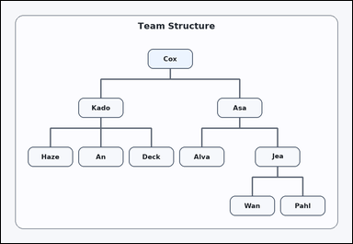 | 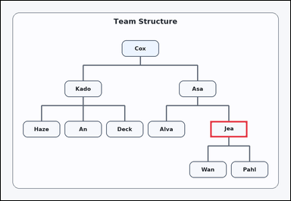 | task_diagrams_hierarchy_ancestor_label | lowest_common_ancestor_of_two_nodes | You are given a hierarchical org chart with labeled boxes and parent-child connector lines. Determine the requested ancestor from the hierarchy: What is the lowest common ancestor of Wan and Pahl? Return the exact label shown. Respond with the exact label from the diagram. Return a valid JSON object with keys "evidence" and "answer" in that order. Evidence format: set "evidence" to an array containing exactly one bounding box [x1, y1, x2, y2] for the correct ancestor box. Answer requirement: set "answer" to the exact visible ancestor label. Example JSON: {"evidence":[[558,530,722,602]],"answer":"Cott"} | You are given a hierarchical org chart with labeled boxes and parent-child connector lines. Determine the requested ancestor from the hierarchy: What is the lowest common ancestor of Wan and Pahl? Return the exact label shown. Respond with the exact label from the diagram. Return a valid JSON object with key "answer". Answer format: set "answer" to the exact visible ancestor label. Example JSON: {"answer":"Cott"} | {"evidence": [[926.0, 530.0, 1090.0, 602.0]], "answer": "Jea"} | [[926.0, 530.0, 1090.0, 602.0]] | string | bbox_set | 119823626379211 | diagrams/task_diagrams_hierarchy_ancestor_label/images/lowest_common_ancestor_of_two_nodes/0002.png | diagrams/task_diagrams_hierarchy_ancestor_label/data/lowest_common_ancestor_of_two_nodes/0002.json
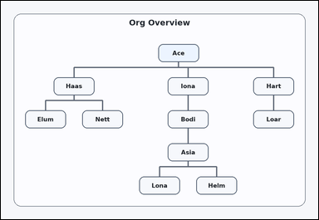 | 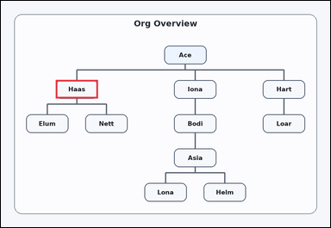 | task_diagrams_hierarchy_ancestor_label | lowest_common_ancestor_of_two_nodes | Look at the hierarchy diagram in the image: a hierarchical org chart with labeled boxes and parent-child connector lines. Use the hierarchy to answer: What is the lowest common ancestor of Elum and Nett? Return the exact label shown. Give the full label exactly as shown. Return a valid JSON object with keys "evidence" and "answer" in that order. Evidence: set "evidence" to an array containing exactly one bounding box [x1, y1, x2, y2] for the correct ancestor box. Answer: set "answer" to the exact visible ancestor label. Example JSON: {"evidence":[[558,530,722,602]],"answer":"Cott"} | Look at the hierarchy diagram in the image: a hierarchical org chart with labeled boxes and parent-child connector lines. Use the hierarchy to answer: What is the lowest common ancestor of Elum and Nett? Return the exact label shown. Give the full label exactly as shown. Return a valid JSON object with key "answer". Answer requirement: set "answer" to the exact visible ancestor label. Example JSON: {"answer":"Cott"} | {"evidence": [[213.0, 307.5, 377.0, 379.5]], "answer": "Haas"} | [[213.0, 307.5, 377.0, 379.5]] | string | bbox_set | 130742008519036 | diagrams/task_diagrams_hierarchy_ancestor_label/images/lowest_common_ancestor_of_two_nodes/0018.png | diagrams/task_diagrams_hierarchy_ancestor_label/data/lowest_common_ancestor_of_two_nodes/0018.json
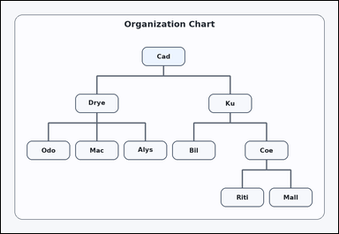 | 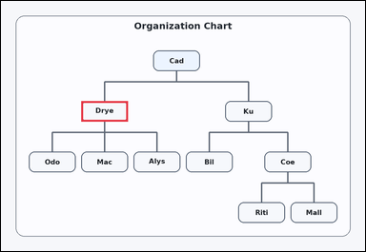 | task_diagrams_hierarchy_ancestor_label | lowest_common_ancestor_of_two_nodes | You are given a hierarchical org chart with labeled boxes and parent-child connector lines. Read the labeled org chart and answer: What is the lowest common ancestor of Odo and Alys? Return the exact label shown. Answer using the exact visible label. Return a valid JSON object with keys "evidence" and "answer" in that order. Evidence requirement: set "evidence" to an array containing exactly one bounding box [x1, y1, x2, y2] for the correct ancestor box. Answer format: set "answer" to the exact visible ancestor label. Example JSON: {"evidence":[[558,530,722,602]],"answer":"Cott"} | You are given a hierarchical org chart with labeled boxes and parent-child connector lines. Read the labeled org chart and answer: What is the lowest common ancestor of Odo and Alys? Return the exact label shown. Answer using the exact visible label. Return a valid JSON object with key "answer". Answer rule: set "answer" to the exact visible ancestor label. Example JSON: {"answer":"Cott"} | {"evidence": [[282.0, 352.0, 446.0, 424.0]], "answer": "Drye"} | [[282.0, 352.0, 446.0, 424.0]] | string | bbox_set | 212076197186425 | diagrams/task_diagrams_hierarchy_ancestor_label/images/lowest_common_ancestor_of_two_nodes/0024.png | diagrams/task_diagrams_hierarchy_ancestor_label/data/lowest_common_ancestor_of_two_nodes/0024.json
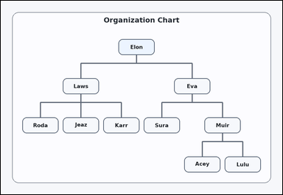 | 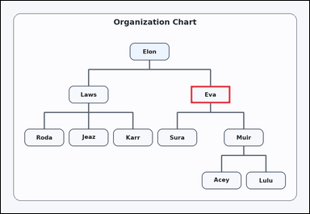 | task_diagrams_hierarchy_ancestor_label | lowest_common_ancestor_of_two_nodes | Work from the labeled parent-child structure: a hierarchical org chart with labeled boxes and parent-child connector lines. Use the hierarchy to answer: What is the lowest common ancestor of Sura and Acey? Return the exact label shown. Respond with the exact label from the diagram. Return a valid JSON object with keys "evidence" and "answer" in that order. Evidence rule: set "evidence" to an array containing exactly one bounding box [x1, y1, x2, y2] for the correct ancestor box. Answer rule: set "answer" to the exact visible ancestor label. Example JSON: {"evidence":[[558,530,722,602]],"answer":"Cott"} | Work from the labeled parent-child structure: a hierarchical org chart with labeled boxes and parent-child connector lines. Use the hierarchy to answer: What is the lowest common ancestor of Sura and Acey? Return the exact label shown. Respond with the exact label from the diagram. Return a valid JSON object with key "answer". Answer: set "answer" to the exact visible ancestor label. Example JSON: {"answer":"Cott"} | {"evidence": [[788.0, 352.0, 952.0, 424.0]], "answer": "Eva"} | [[788.0, 352.0, 952.0, 424.0]] | string | bbox_set | 291969049611262 | diagrams/task_diagrams_hierarchy_ancestor_label/images/lowest_common_ancestor_of_two_nodes/0008.png | diagrams/task_diagrams_hierarchy_ancestor_label/data/lowest_common_ancestor_of_two_nodes/0008.json
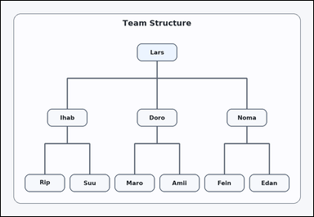 | 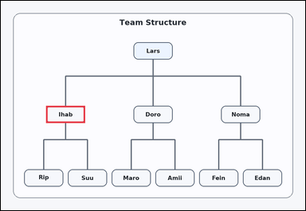 | task_diagrams_hierarchy_ancestor_label | lowest_common_ancestor_of_two_nodes | Use the hierarchical diagram in the image: a hierarchical org chart with labeled boxes and parent-child connector lines. Use the hierarchy to answer: What is the lowest common ancestor of Rip and Suu? Return the exact label shown. Return the exact visible label. Return a valid JSON object with keys "evidence" and "answer" in that order. Evidence requirement: set "evidence" to an array containing exactly one bounding box [x1, y1, x2, y2] for the correct ancestor box. Answer format: set "answer" to the exact visible ancestor label. Example JSON: {"evidence":[[558,530,722,602]],"answer":"Cott"} | Use the hierarchical diagram in the image: a hierarchical org chart with labeled boxes and parent-child connector lines. Use the hierarchy to answer: What is the lowest common ancestor of Rip and Suu? Return the exact label shown. Return the exact visible label. Return a valid JSON object with key "answer". Answer requirement: set "answer" to the exact visible ancestor label. Example JSON: {"answer":"Cott"} | {"evidence": [[190.0, 441.0, 354.0, 513.0]], "answer": "Ihab"} | [[190.0, 441.0, 354.0, 513.0]] | string | bbox_set | 1.1959543983E+15 | diagrams/task_diagrams_hierarchy_ancestor_label/images/lowest_common_ancestor_of_two_nodes/0017.png | diagrams/task_diagrams_hierarchy_ancestor_label/data/lowest_common_ancestor_of_two_nodes/0017.json
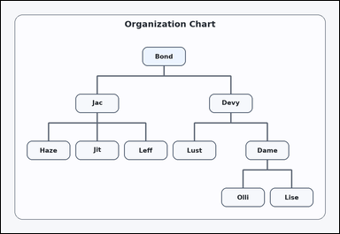 | 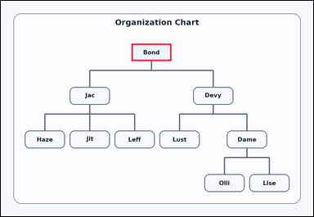 | task_diagrams_hierarchy_ancestor_label | lowest_common_ancestor_of_two_nodes | Look at the hierarchy diagram in the image: a hierarchical org chart with labeled boxes and parent-child connector lines. What is the lowest common ancestor of Jit and Olli? Return the exact label shown. Return the exact visible label. Return a valid JSON object with keys "evidence" and "answer" in that order. Evidence rule: set "evidence" to an array containing exactly one bounding box [x1, y1, x2, y2] for the correct ancestor box. Answer rule: set "answer" to the exact visible ancestor label. Example JSON: {"evidence":[[558,530,722,602]],"answer":"Cott"} | Look at the hierarchy diagram in the image: a hierarchical org chart with labeled boxes and parent-child connector lines. What is the lowest common ancestor of Jit and Olli? Return the exact label shown. Return the exact visible label. Return a valid JSON object with key "answer". Answer field: set "answer" to the exact visible ancestor label. Example JSON: {"answer":"Cott"} | {"evidence": [[535.0, 174.0, 699.0, 246.0]], "answer": "Bond"} | [[535.0, 174.0, 699.0, 246.0]] | string | bbox_set | 1.3341560971E+15 | diagrams/task_diagrams_hierarchy_ancestor_label/images/lowest_common_ancestor_of_two_nodes/0019.png | diagrams/task_diagrams_hierarchy_ancestor_label/data/lowest_common_ancestor_of_two_nodes/0019.json
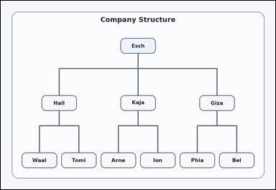 | 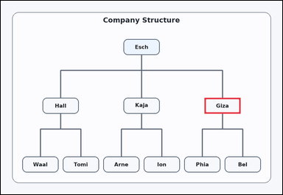 | task_diagrams_hierarchy_ancestor_label | lowest_common_ancestor_of_two_nodes | Look at the hierarchy diagram in the image: a hierarchical org chart with labeled boxes and parent-child connector lines. Follow the parent-child structure and answer: What is the lowest common ancestor of Phia and Bel? Return the exact label shown. Give the full label exactly as shown. Return a valid JSON object with keys "evidence" and "answer" in that order. Evidence field: set "evidence" to an array containing exactly one bounding box [x1, y1, x2, y2] for the correct ancestor box. Answer field: set "answer" to the exact visible ancestor label. Example JSON: {"evidence":[[558,530,722,602]],"answer":"Cott"} | Look at the hierarchy diagram in the image: a hierarchical org chart with labeled boxes and parent-child connector lines. Follow the parent-child structure and answer: What is the lowest common ancestor of Phia and Bel? Return the exact label shown. Give the full label exactly as shown. Return a valid JSON object with key "answer". Answer: set "answer" to the exact visible ancestor label. Example JSON: {"answer":"Cott"} | {"evidence": [[926.0, 441.0, 1090.0, 513.0]], "answer": "Giza"} | [[926.0, 441.0, 1090.0, 513.0]] | string | bbox_set | 2.2194703428E+15 | diagrams/task_diagrams_hierarchy_ancestor_label/images/lowest_common_ancestor_of_two_nodes/0015.png | diagrams/task_diagrams_hierarchy_ancestor_label/data/lowest_common_ancestor_of_two_nodes/0015.json
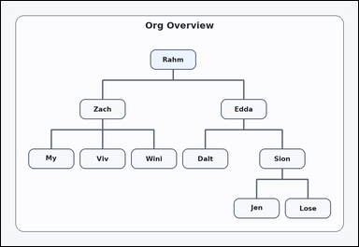 | 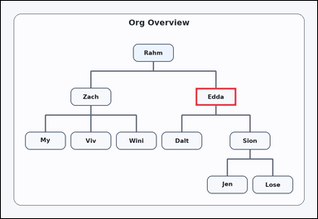 | task_diagrams_hierarchy_ancestor_label | lowest_common_ancestor_of_two_nodes | You are given a hierarchical org chart with labeled boxes and parent-child connector lines. What is the lowest common ancestor of Dalt and Lose? Return the exact label shown. Respond with the exact label from the diagram. Return a valid JSON object with keys "evidence" and "answer" in that order. Evidence format: set "evidence" to an array containing exactly one bounding box [x1, y1, x2, y2] for the correct ancestor box. Answer requirement: set "answer" to the exact visible ancestor label. Example JSON: {"evidence":[[558,530,722,602]],"answer":"Cott"} | You are given a hierarchical org chart with labeled boxes and parent-child connector lines. What is the lowest common ancestor of Dalt and Lose? Return the exact label shown. Respond with the exact label from the diagram. Return a valid JSON object with key "answer". Answer: set "answer" to the exact visible ancestor label. Example JSON: {"answer":"Cott"} | {"evidence": [[788.0, 352.0, 952.0, 424.0]], "answer": "Edda"} | [[788.0, 352.0, 952.0, 424.0]] | string | bbox_set | 2.2631106043E+15 | diagrams/task_diagrams_hierarchy_ancestor_label/images/lowest_common_ancestor_of_two_nodes/0023.png | diagrams/task_diagrams_hierarchy_ancestor_label/data/lowest_common_ancestor_of_two_nodes/0023.json
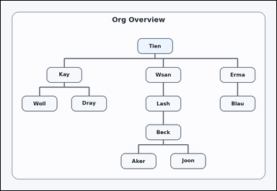 | 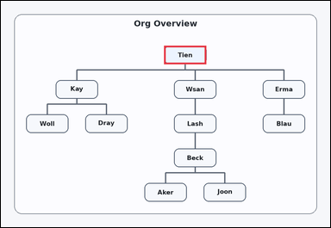 | task_diagrams_hierarchy_ancestor_label | lowest_common_ancestor_of_two_nodes | You are given a hierarchical org chart with labeled boxes and parent-child connector lines. Read the labeled org chart and answer: What is the lowest common ancestor of Joon and Blau? Return the exact label shown. Answer with the exact label shown. Return a valid JSON object with keys "evidence" and "answer" in that order. Evidence rule: set "evidence" to an array containing exactly one bounding box [x1, y1, x2, y2] for the correct ancestor box. Answer rule: set "answer" to the exact visible ancestor label. Example JSON: {"evidence":[[558,530,722,602]],"answer":"Cott"} | You are given a hierarchical org chart with labeled boxes and parent-child connector lines. Read the labeled org chart and answer: What is the lowest common ancestor of Joon and Blau? Return the exact label shown. Answer with the exact label shown. Return a valid JSON object with key "answer". Answer requirement: set "answer" to the exact visible ancestor label. Example JSON: {"answer":"Cott"} | {"evidence": [[634.667, 174.0, 798.667, 246.0]], "answer": "Tien"} | [[634.667, 174.0, 798.667, 246.0]] | string | bbox_set | 2.4608796063E+15 | diagrams/task_diagrams_hierarchy_ancestor_label/images/lowest_common_ancestor_of_two_nodes/0014.png | diagrams/task_diagrams_hierarchy_ancestor_label/data/lowest_common_ancestor_of_two_nodes/0014.json
 | 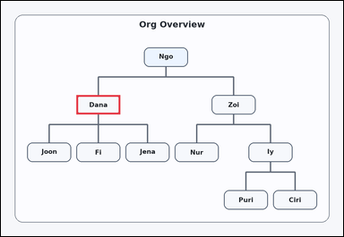 | task_diagrams_hierarchy_ancestor_label | lowest_common_ancestor_of_two_nodes | The image shows a hierarchical org chart with labeled boxes and parent-child connector lines. Determine the requested ancestor from the hierarchy: What is the lowest common ancestor of Joon and Fi? Return the exact label shown. Respond with the exact label from the diagram. Return a valid JSON object with keys "evidence" and "answer" in that order. Evidence rule: set "evidence" to an array containing exactly one bounding box [x1, y1, x2, y2] for the correct ancestor box. Answer rule: set "answer" to the exact visible ancestor label. Example JSON: {"evidence":[[558,530,722,602]],"answer":"Cott"} | The image shows a hierarchical org chart with labeled boxes and parent-child connector lines. Determine the requested ancestor from the hierarchy: What is the lowest common ancestor of Joon and Fi? Return the exact label shown. Respond with the exact label from the diagram. Return a valid JSON object with key "answer". Answer rule: set "answer" to the exact visible ancestor label. Example JSON: {"answer":"Cott"} | {"evidence": [[282.0, 352.0, 446.0, 424.0]], "answer": "Dana"} | [[282.0, 352.0, 446.0, 424.0]] | string | bbox_set | 2.6332817522E+15 | diagrams/task_diagrams_hierarchy_ancestor_label/images/lowest_common_ancestor_of_two_nodes/0016.png | diagrams/task_diagrams_hierarchy_ancestor_label/data/lowest_common_ancestor_of_two_nodes/0016.json
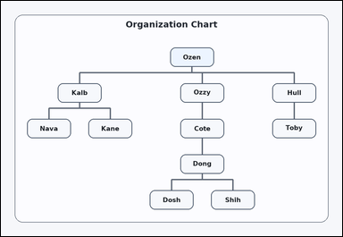 | 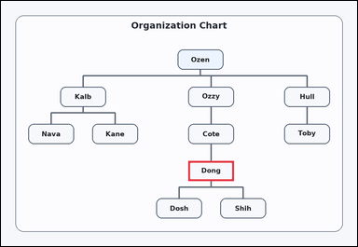 | task_diagrams_hierarchy_ancestor_label | lowest_common_ancestor_of_two_nodes | Work from the labeled parent-child structure: a hierarchical org chart with labeled boxes and parent-child connector lines. What is the lowest common ancestor of Dosh and Shih? Return the exact label shown. Return the exact visible label. Return a valid JSON object with keys "evidence" and "answer" in that order. Evidence requirement: set "evidence" to an array containing exactly one bounding box [x1, y1, x2, y2] for the correct ancestor box. Answer format: set "answer" to the exact visible ancestor label. Example JSON: {"evidence":[[558,530,722,602]],"answer":"Cott"} | Work from the labeled parent-child structure: a hierarchical org chart with labeled boxes and parent-child connector lines. What is the lowest common ancestor of Dosh and Shih? Return the exact label shown. Return the exact visible label. Return a valid JSON object with key "answer". Answer format: set "answer" to the exact visible ancestor label. Example JSON: {"answer":"Cott"} | {"evidence": [[673.0, 574.5, 837.0, 646.5]], "answer": "Dong"} | [[673.0, 574.5, 837.0, 646.5]] | string | bbox_set | 3.3489928161E+15 | diagrams/task_diagrams_hierarchy_ancestor_label/images/lowest_common_ancestor_of_two_nodes/0009.png | diagrams/task_diagrams_hierarchy_ancestor_label/data/lowest_common_ancestor_of_two_nodes/0009.json
 | 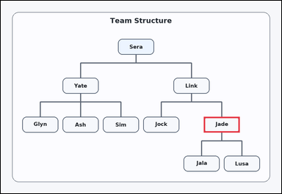 | task_diagrams_hierarchy_ancestor_label | lowest_common_ancestor_of_two_nodes | Look at the hierarchy diagram in the image: a hierarchical org chart with labeled boxes and parent-child connector lines. Use the hierarchy to answer: What is the lowest common ancestor of Jala and Lusa? Return the exact label shown. Return the exact visible label. Return a valid JSON object with keys "evidence" and "answer" in that order. Evidence rule: set "evidence" to an array containing exactly one bounding box [x1, y1, x2, y2] for the correct ancestor box. Answer rule: set "answer" to the exact visible ancestor label. Example JSON: {"evidence":[[558,530,722,602]],"answer":"Cott"} | Look at the hierarchy diagram in the image: a hierarchical org chart with labeled boxes and parent-child connector lines. Use the hierarchy to answer: What is the lowest common ancestor of Jala and Lusa? Return the exact label shown. Return the exact visible label. Return a valid JSON object with key "answer". Answer field: set "answer" to the exact visible ancestor label. Example JSON: {"answer":"Cott"} | {"evidence": [[926.0, 530.0, 1090.0, 602.0]], "answer": "Jade"} | [[926.0, 530.0, 1090.0, 602.0]] | string | bbox_set | 3.6991316263E+15 | diagrams/task_diagrams_hierarchy_ancestor_label/images/lowest_common_ancestor_of_two_nodes/0012.png | diagrams/task_diagrams_hierarchy_ancestor_label/data/lowest_common_ancestor_of_two_nodes/0012.json
 |  | task_diagrams_hierarchy_ancestor_label | lowest_common_ancestor_of_two_nodes | The image shows a hierarchical org chart with labeled boxes and parent-child connector lines. Read the labeled org chart and answer: What is the lowest common ancestor of Dene and Cupo? Return the exact label shown. Give the full label exactly as shown. Return a valid JSON object with keys "evidence" and "answer" in that order. Evidence requirement: set "evidence" to an array containing exactly one bounding box [x1, y1, x2, y2] for the correct ancestor box. Answer format: set "answer" to the exact visible ancestor label. Example JSON: {"evidence":[[558,530,722,602]],"answer":"Cott"} | The image shows a hierarchical org chart with labeled boxes and parent-child connector lines. Read the labeled org chart and answer: What is the lowest common ancestor of Dene and Cupo? Return the exact label shown. Give the full label exactly as shown. Return a valid JSON object with key "answer". Answer rule: set "answer" to the exact visible ancestor label. Example JSON: {"answer":"Cott"} | {"evidence": [[282.0, 352.0, 446.0, 424.0]], "answer": "Cade"} | [[282.0, 352.0, 446.0, 424.0]] | string | bbox_set | 3.8699267403E+15 | diagrams/task_diagrams_hierarchy_ancestor_label/images/lowest_common_ancestor_of_two_nodes/0006.png | diagrams/task_diagrams_hierarchy_ancestor_label/data/lowest_common_ancestor_of_two_nodes/0006.json
 | 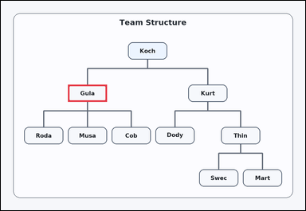 | task_diagrams_hierarchy_ancestor_label | lowest_common_ancestor_of_two_nodes | The image shows a hierarchical org chart with labeled boxes and parent-child connector lines. What is the lowest common ancestor of Roda and Musa? Return the exact label shown. Return the exact visible label. Return a valid JSON object with keys "evidence" and "answer" in that order. Evidence format: set "evidence" to an array containing exactly one bounding box [x1, y1, x2, y2] for the correct ancestor box. Answer requirement: set "answer" to the exact visible ancestor label. Example JSON: {"evidence":[[558,530,722,602]],"answer":"Cott"} | The image shows a hierarchical org chart with labeled boxes and parent-child connector lines. What is the lowest common ancestor of Roda and Musa? Return the exact label shown. Return the exact visible label. Return a valid JSON object with key "answer". Answer: set "answer" to the exact visible ancestor label. Example JSON: {"answer":"Cott"} | {"evidence": [[282.0, 352.0, 446.0, 424.0]], "answer": "Gula"} | [[282.0, 352.0, 446.0, 424.0]] | string | bbox_set | 4.0314643865E+15 | diagrams/task_diagrams_hierarchy_ancestor_label/images/lowest_common_ancestor_of_two_nodes/0000.png | diagrams/task_diagrams_hierarchy_ancestor_label/data/lowest_common_ancestor_of_two_nodes/0000.json
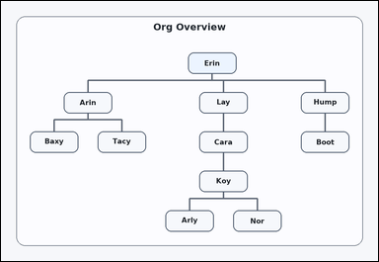 | 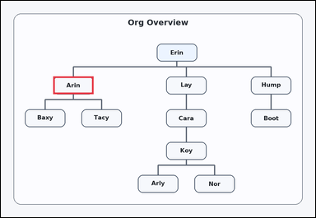 | task_diagrams_hierarchy_ancestor_label | lowest_common_ancestor_of_two_nodes | The image shows a hierarchical org chart with labeled boxes and parent-child connector lines. Read the labeled org chart and answer: What is the lowest common ancestor of Baxy and Tacy? Return the exact label shown. Give the full label exactly as shown. Return a valid JSON object with keys "evidence" and "answer" in that order. Evidence field: set "evidence" to an array containing exactly one bounding box [x1, y1, x2, y2] for the correct ancestor box. Answer field: set "answer" to the exact visible ancestor label. Example JSON: {"evidence":[[558,530,722,602]],"answer":"Cott"} | The image shows a hierarchical org chart with labeled boxes and parent-child connector lines. Read the labeled org chart and answer: What is the lowest common ancestor of Baxy and Tacy? Return the exact label shown. Give the full label exactly as shown. Return a valid JSON object with key "answer". Answer: set "answer" to the exact visible ancestor label. Example JSON: {"answer":"Cott"} | {"evidence": [[213.0, 307.5, 377.0, 379.5]], "answer": "Arin"} | [[213.0, 307.5, 377.0, 379.5]] | string | bbox_set | 4.9146326476E+15 | diagrams/task_diagrams_hierarchy_ancestor_label/images/lowest_common_ancestor_of_two_nodes/0001.png | diagrams/task_diagrams_hierarchy_ancestor_label/data/lowest_common_ancestor_of_two_nodes/0001.json
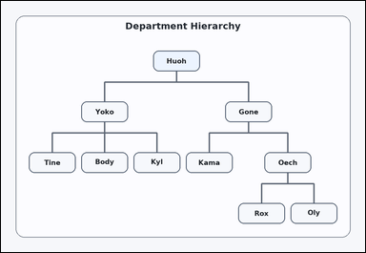 | 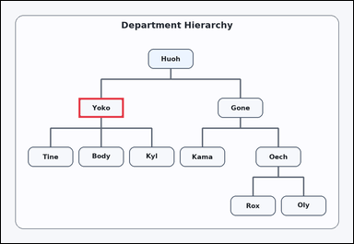 | task_diagrams_hierarchy_ancestor_label | lowest_common_ancestor_of_two_nodes | Use the hierarchical diagram in the image: a hierarchical org chart with labeled boxes and parent-child connector lines. Determine the requested ancestor from the hierarchy: What is the lowest common ancestor of Body and Kyl? Return the exact label shown. Answer using the exact visible label. Return a valid JSON object with keys "evidence" and "answer" in that order. Evidence requirement: set "evidence" to an array containing exactly one bounding box [x1, y1, x2, y2] for the correct ancestor box. Answer format: set "answer" to the exact visible ancestor label. Example JSON: {"evidence":[[558,530,722,602]],"answer":"Cott"} | Use the hierarchical diagram in the image: a hierarchical org chart with labeled boxes and parent-child connector lines. Determine the requested ancestor from the hierarchy: What is the lowest common ancestor of Body and Kyl? Return the exact label shown. Answer using the exact visible label. Return a valid JSON object with key "answer". Answer field: set "answer" to the exact visible ancestor label. Example JSON: {"answer":"Cott"} | {"evidence": [[282.0, 352.0, 446.0, 424.0]], "answer": "Yoko"} | [[282.0, 352.0, 446.0, 424.0]] | string | bbox_set | 5.1563140879E+15 | diagrams/task_diagrams_hierarchy_ancestor_label/images/lowest_common_ancestor_of_two_nodes/0007.png | diagrams/task_diagrams_hierarchy_ancestor_label/data/lowest_common_ancestor_of_two_nodes/0007.json
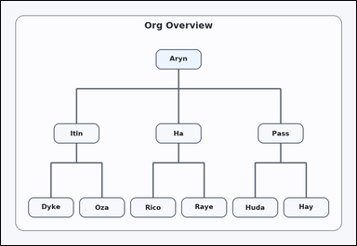 | 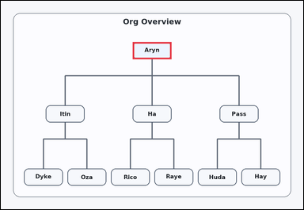 | task_diagrams_hierarchy_ancestor_label | lowest_common_ancestor_of_two_nodes | You are given a hierarchical org chart with labeled boxes and parent-child connector lines. What is the lowest common ancestor of Oza and Huda? Return the exact label shown. Answer with the exact label shown. Return a valid JSON object with keys "evidence" and "answer" in that order. Evidence format: set "evidence" to an array containing exactly one bounding box [x1, y1, x2, y2] for the correct ancestor box. Answer requirement: set "answer" to the exact visible ancestor label. Example JSON: {"evidence":[[558,530,722,602]],"answer":"Cott"} | You are given a hierarchical org chart with labeled boxes and parent-child connector lines. What is the lowest common ancestor of Oza and Huda? Return the exact label shown. Answer with the exact label shown. Return a valid JSON object with key "answer". Answer rule: set "answer" to the exact visible ancestor label. Example JSON: {"answer":"Cott"} | {"evidence": [[558.0, 174.0, 722.0, 246.0]], "answer": "Aryn"} | [[558.0, 174.0, 722.0, 246.0]] | string | bbox_set | 5.8443461749E+15 | diagrams/task_diagrams_hierarchy_ancestor_label/images/lowest_common_ancestor_of_two_nodes/0003.png | diagrams/task_diagrams_hierarchy_ancestor_label/data/lowest_common_ancestor_of_two_nodes/0003.json
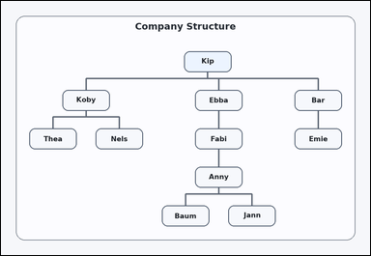 |  | task_diagrams_hierarchy_ancestor_label | lowest_common_ancestor_of_two_nodes | Use the hierarchical diagram in the image: a hierarchical org chart with labeled boxes and parent-child connector lines. Follow the parent-child structure and answer: What is the lowest common ancestor of Jann and Emie? Return the exact label shown. Respond with the exact label from the diagram. Return a valid JSON object with keys "evidence" and "answer" in that order. Evidence field: set "evidence" to an array containing exactly one bounding box [x1, y1, x2, y2] for the correct ancestor box. Answer field: set "answer" to the exact visible ancestor label. Example JSON: {"evidence":[[558,530,722,602]],"answer":"Cott"} | Use the hierarchical diagram in the image: a hierarchical org chart with labeled boxes and parent-child connector lines. Follow the parent-child structure and answer: What is the lowest common ancestor of Jann and Emie? Return the exact label shown. Respond with the exact label from the diagram. Return a valid JSON object with key "answer". Answer requirement: set "answer" to the exact visible ancestor label. Example JSON: {"answer":"Cott"} | {"evidence": [[634.667, 174.0, 798.667, 246.0]], "answer": "Kip"} | [[634.667, 174.0, 798.667, 246.0]] | string | bbox_set | 6.5634507457E+15 | diagrams/task_diagrams_hierarchy_ancestor_label/images/lowest_common_ancestor_of_two_nodes/0005.png | diagrams/task_diagrams_hierarchy_ancestor_label/data/lowest_common_ancestor_of_two_nodes/0005.json
 |  | task_diagrams_hierarchy_ancestor_label | lowest_common_ancestor_of_two_nodes | You are given a hierarchical org chart with labeled boxes and parent-child connector lines. Use the hierarchy to answer: What is the lowest common ancestor of Tess and Lesh? Return the exact label shown. Answer using the exact visible label. Return a valid JSON object with keys "evidence" and "answer" in that order. Evidence format: set "evidence" to an array containing exactly one bounding box [x1, y1, x2, y2] for the correct ancestor box. Answer requirement: set "answer" to the exact visible ancestor label. Example JSON: {"evidence":[[558,530,722,602]],"answer":"Cott"} | You are given a hierarchical org chart with labeled boxes and parent-child connector lines. Use the hierarchy to answer: What is the lowest common ancestor of Tess and Lesh? Return the exact label shown. Answer using the exact visible label. Return a valid JSON object with key "answer". Answer format: set "answer" to the exact visible ancestor label. Example JSON: {"answer":"Cott"} | {"evidence": [[634.667, 174.0, 798.667, 246.0]], "answer": "Bick"} | [[634.667, 174.0, 798.667, 246.0]] | string | bbox_set | 6.5929966958E+15 | diagrams/task_diagrams_hierarchy_ancestor_label/images/lowest_common_ancestor_of_two_nodes/0010.png | diagrams/task_diagrams_hierarchy_ancestor_label/data/lowest_common_ancestor_of_two_nodes/0010.json
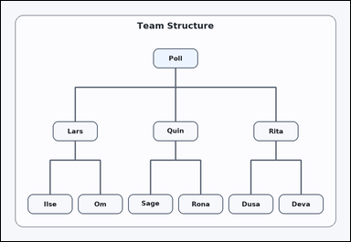 | 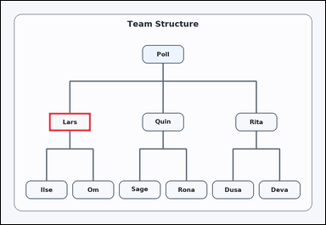 | task_diagrams_hierarchy_ancestor_label | lowest_common_ancestor_of_two_nodes | Use the hierarchical diagram in the image: a hierarchical org chart with labeled boxes and parent-child connector lines. Use the hierarchy to answer: What is the lowest common ancestor of Ilse and Om? Return the exact label shown. Respond with the exact label from the diagram. Return a valid JSON object with keys "evidence" and "answer" in that order. Evidence requirement: set "evidence" to an array containing exactly one bounding box [x1, y1, x2, y2] for the correct ancestor box. Answer format: set "answer" to the exact visible ancestor label. Example JSON: {"evidence":[[558,530,722,602]],"answer":"Cott"} | Use the hierarchical diagram in the image: a hierarchical org chart with labeled boxes and parent-child connector lines. Use the hierarchy to answer: What is the lowest common ancestor of Ilse and Om? Return the exact label shown. Respond with the exact label from the diagram. Return a valid JSON object with key "answer". Answer rule: set "answer" to the exact visible ancestor label. Example JSON: {"answer":"Cott"} | {"evidence": [[190.0, 441.0, 354.0, 513.0]], "answer": "Lars"} | [[190.0, 441.0, 354.0, 513.0]] | string | bbox_set | 6.7687028017E+15 | diagrams/task_diagrams_hierarchy_ancestor_label/images/lowest_common_ancestor_of_two_nodes/0011.png | diagrams/task_diagrams_hierarchy_ancestor_label/data/lowest_common_ancestor_of_two_nodes/0011.json
 |  | task_diagrams_hierarchy_ancestor_label | lowest_common_ancestor_of_two_nodes | You are given a hierarchical org chart with labeled boxes and parent-child connector lines. Use the hierarchy to answer: What is the lowest common ancestor of Blim and Caro? Return the exact label shown. Answer with the exact label shown. Return a valid JSON object with keys "evidence" and "answer" in that order. Evidence field: set "evidence" to an array containing exactly one bounding box [x1, y1, x2, y2] for the correct ancestor box. Answer field: set "answer" to the exact visible ancestor label. Example JSON: {"evidence":[[558,530,722,602]],"answer":"Cott"} | You are given a hierarchical org chart with labeled boxes and parent-child connector lines. Use the hierarchy to answer: What is the lowest common ancestor of Blim and Caro? Return the exact label shown. Answer with the exact label shown. Return a valid JSON object with key "answer". Answer: set "answer" to the exact visible ancestor label. Example JSON: {"answer":"Cott"} | {"evidence": [[673.0, 574.5, 837.0, 646.5]], "answer": "Kehr"} | [[673.0, 574.5, 837.0, 646.5]] | string | bbox_set | 7.3471796069E+15 | diagrams/task_diagrams_hierarchy_ancestor_label/images/lowest_common_ancestor_of_two_nodes/0020.png | diagrams/task_diagrams_hierarchy_ancestor_label/data/lowest_common_ancestor_of_two_nodes/0020.json
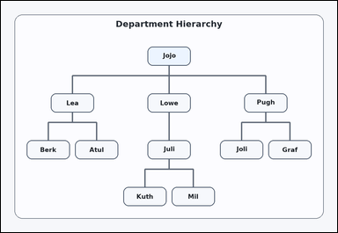 | 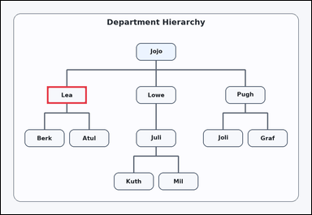 | task_diagrams_hierarchy_ancestor_label | lowest_common_ancestor_of_two_nodes | You are given a hierarchical org chart with labeled boxes and parent-child connector lines. Read the labeled org chart and answer: What is the lowest common ancestor of Berk and Atul? Return the exact label shown. Respond with the exact label from the diagram. Return a valid JSON object with keys "evidence" and "answer" in that order. Evidence format: set "evidence" to an array containing exactly one bounding box [x1, y1, x2, y2] for the correct ancestor box. Answer requirement: set "answer" to the exact visible ancestor label. Example JSON: {"evidence":[[558,530,722,602]],"answer":"Cott"} | You are given a hierarchical org chart with labeled boxes and parent-child connector lines. Read the labeled org chart and answer: What is the lowest common ancestor of Berk and Atul? Return the exact label shown. Respond with the exact label from the diagram. Return a valid JSON object with key "answer". Answer field: set "answer" to the exact visible ancestor label. Example JSON: {"answer":"Cott"} | {"evidence": [[190.0, 352.0, 354.0, 424.0]], "answer": "Lea"} | [[190.0, 352.0, 354.0, 424.0]] | string | bbox_set | 7.6511815288E+15 | diagrams/task_diagrams_hierarchy_ancestor_label/images/lowest_common_ancestor_of_two_nodes/0004.png | diagrams/task_diagrams_hierarchy_ancestor_label/data/lowest_common_ancestor_of_two_nodes/0004.json
 |  | task_diagrams_hierarchy_ancestor_label | lowest_common_ancestor_of_two_nodes | Use the hierarchical diagram in the image: a hierarchical org chart with labeled boxes and parent-child connector lines. Use the hierarchy to answer: What is the lowest common ancestor of Yves and Fair? Return the exact label shown. Answer with the exact label shown. Return a valid JSON object with keys "evidence" and "answer" in that order. Evidence rule: set "evidence" to an array containing exactly one bounding box [x1, y1, x2, y2] for the correct ancestor box. Answer rule: set "answer" to the exact visible ancestor label. Example JSON: {"evidence":[[558,530,722,602]],"answer":"Cott"} | Use the hierarchical diagram in the image: a hierarchical org chart with labeled boxes and parent-child connector lines. Use the hierarchy to answer: What is the lowest common ancestor of Yves and Fair? Return the exact label shown. Answer with the exact label shown. Return a valid JSON object with key "answer". Answer requirement: set "answer" to the exact visible ancestor label. Example JSON: {"answer":"Cott"} | {"evidence": [[673.0, 574.5, 837.0, 646.5]], "answer": "Nam"} | [[673.0, 574.5, 837.0, 646.5]] | string | bbox_set | 7.9814186484E+15 | diagrams/task_diagrams_hierarchy_ancestor_label/images/lowest_common_ancestor_of_two_nodes/0021.png | diagrams/task_diagrams_hierarchy_ancestor_label/data/lowest_common_ancestor_of_two_nodes/0021.json
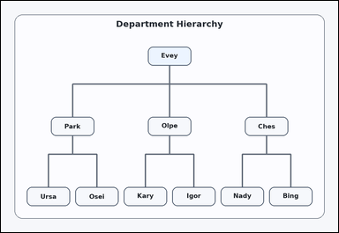 | 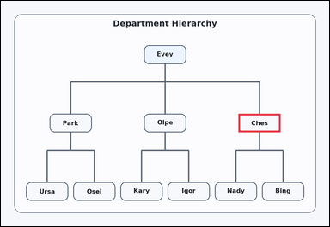 | task_diagrams_hierarchy_ancestor_label | lowest_common_ancestor_of_two_nodes | Work from the labeled parent-child structure: a hierarchical org chart with labeled boxes and parent-child connector lines. Follow the parent-child structure and answer: What is the lowest common ancestor of Nady and Bing? Return the exact label shown. Return the exact visible label. Return a valid JSON object with keys "evidence" and "answer" in that order. Evidence field: set "evidence" to an array containing exactly one bounding box [x1, y1, x2, y2] for the correct ancestor box. Answer field: set "answer" to the exact visible ancestor label. Example JSON: {"evidence":[[558,530,722,602]],"answer":"Cott"} | Work from the labeled parent-child structure: a hierarchical org chart with labeled boxes and parent-child connector lines. Follow the parent-child structure and answer: What is the lowest common ancestor of Nady and Bing? Return the exact label shown. Return the exact visible label. Return a valid JSON object with key "answer". Answer field: set "answer" to the exact visible ancestor label. Example JSON: {"answer":"Cott"} | {"evidence": [[926.0, 441.0, 1090.0, 513.0]], "answer": "Ches"} | [[926.0, 441.0, 1090.0, 513.0]] | string | bbox_set | 8.0734482776E+15 | diagrams/task_diagrams_hierarchy_ancestor_label/images/lowest_common_ancestor_of_two_nodes/0013.png | diagrams/task_diagrams_hierarchy_ancestor_label/data/lowest_common_ancestor_of_two_nodes/0013.json
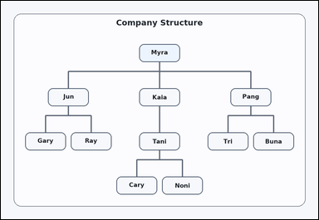 | 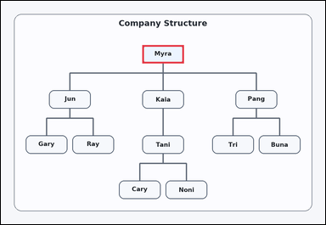 | task_diagrams_hierarchy_ancestor_label | lowest_common_ancestor_of_two_nodes | Look at the hierarchy diagram in the image: a hierarchical org chart with labeled boxes and parent-child connector lines. Use the hierarchy to answer: What is the lowest common ancestor of Gary and Buna? Return the exact label shown. Give the full label exactly as shown. Return a valid JSON object with keys "evidence" and "answer" in that order. Evidence format: set "evidence" to an array containing exactly one bounding box [x1, y1, x2, y2] for the correct ancestor box. Answer requirement: set "answer" to the exact visible ancestor label. Example JSON: {"evidence":[[558,530,722,602]],"answer":"Cott"} | Look at the hierarchy diagram in the image: a hierarchical org chart with labeled boxes and parent-child connector lines. Use the hierarchy to answer: What is the lowest common ancestor of Gary and Buna? Return the exact label shown. Give the full label exactly as shown. Return a valid JSON object with key "answer". Answer field: set "answer" to the exact visible ancestor label. Example JSON: {"answer":"Cott"} | {"evidence": [[558.0, 174.0, 722.0, 246.0]], "answer": "Myra"} | [[558.0, 174.0, 722.0, 246.0]] | string | bbox_set | 8.5839339552E+15 | diagrams/task_diagrams_hierarchy_ancestor_label/images/lowest_common_ancestor_of_two_nodes/0022.png | diagrams/task_diagrams_hierarchy_ancestor_label/data/lowest_common_ancestor_of_two_nodes/0022.json

parent_of_node
image | evidence_image | task | task_variant | prompt | prompt_answer_only | answer | answer_evidence | answer_type | evidence_type | instance_seed | image_path | data_path
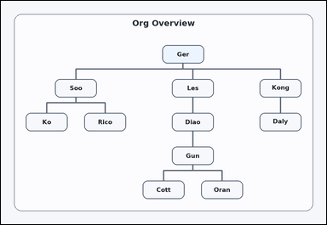 | 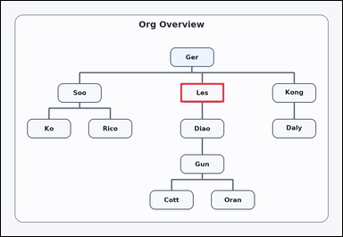 | task_diagrams_hierarchy_ancestor_label | parent_of_node | You are given a hierarchical org chart with labeled boxes and parent-child connector lines. What is the parent of Diao? Return the exact label shown. Answer with the exact label shown. Return a valid JSON object with keys "evidence" and "answer" in that order. Evidence format: set "evidence" to an array containing exactly one bounding box [x1, y1, x2, y2] for the correct parent box. Answer requirement: set "answer" to the exact visible ancestor label. Example JSON: {"evidence":[[926,352,1090,424]],"answer":"Walt"} | You are given a hierarchical org chart with labeled boxes and parent-child connector lines. What is the parent of Diao? Return the exact label shown. Answer with the exact label shown. Return a valid JSON object with key "answer". Answer format: set "answer" to the exact visible ancestor label. Example JSON: {"answer":"Walt"} | {"evidence": [[673.0, 307.5, 837.0, 379.5]], "answer": "Les"} | [[673.0, 307.5, 837.0, 379.5]] | string | bbox_set | 189952578223858 | diagrams/task_diagrams_hierarchy_ancestor_label/images/parent_of_node/0024.png | diagrams/task_diagrams_hierarchy_ancestor_label/data/parent_of_node/0024.json
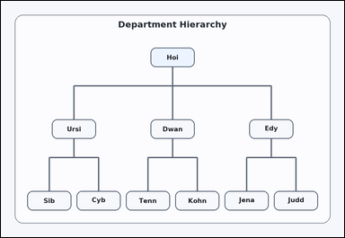 | 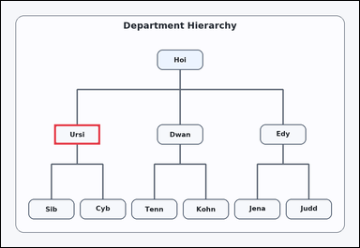 | task_diagrams_hierarchy_ancestor_label | parent_of_node | Work from the labeled parent-child structure: a hierarchical org chart with labeled boxes and parent-child connector lines. What is the parent of Sib? Return the exact label shown. Answer with the exact label shown. Return a valid JSON object with keys "evidence" and "answer" in that order. Evidence format: set "evidence" to an array containing exactly one bounding box [x1, y1, x2, y2] for the correct parent box. Answer requirement: set "answer" to the exact visible ancestor label. Example JSON: {"evidence":[[926,352,1090,424]],"answer":"Walt"} | Work from the labeled parent-child structure: a hierarchical org chart with labeled boxes and parent-child connector lines. What is the parent of Sib? Return the exact label shown. Answer with the exact label shown. Return a valid JSON object with key "answer". Answer requirement: set "answer" to the exact visible ancestor label. Example JSON: {"answer":"Walt"} | {"evidence": [[190.0, 441.0, 354.0, 513.0]], "answer": "Ursi"} | [[190.0, 441.0, 354.0, 513.0]] | string | bbox_set | 850855665898786 | diagrams/task_diagrams_hierarchy_ancestor_label/images/parent_of_node/0005.png | diagrams/task_diagrams_hierarchy_ancestor_label/data/parent_of_node/0005.json
 |  | task_diagrams_hierarchy_ancestor_label | parent_of_node | Work from the labeled parent-child structure: a hierarchical org chart with labeled boxes and parent-child connector lines. Read the labeled org chart and answer: What is the parent of Jac? Return the exact label shown. Answer using the exact visible label. Return a valid JSON object with keys "evidence" and "answer" in that order. Evidence: set "evidence" to an array containing exactly one bounding box [x1, y1, x2, y2] for the correct parent box. Answer: set "answer" to the exact visible ancestor label. Example JSON: {"evidence":[[926,352,1090,424]],"answer":"Walt"} | Work from the labeled parent-child structure: a hierarchical org chart with labeled boxes and parent-child connector lines. Read the labeled org chart and answer: What is the parent of Jac? Return the exact label shown. Answer using the exact visible label. Return a valid JSON object with key "answer". Answer: set "answer" to the exact visible ancestor label. Example JSON: {"answer":"Walt"} | {"evidence": [[926.0, 530.0, 1090.0, 602.0]], "answer": "Oz"} | [[926.0, 530.0, 1090.0, 602.0]] | string | bbox_set | 860449350006202 | diagrams/task_diagrams_hierarchy_ancestor_label/images/parent_of_node/0009.png | diagrams/task_diagrams_hierarchy_ancestor_label/data/parent_of_node/0009.json
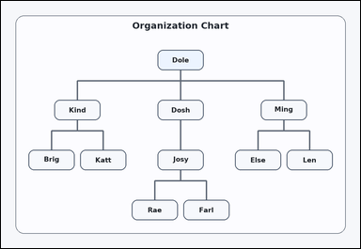 | 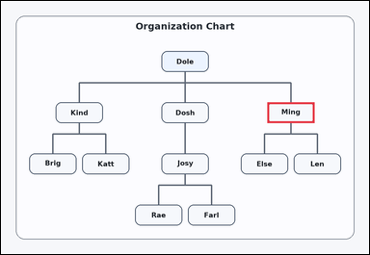 | task_diagrams_hierarchy_ancestor_label | parent_of_node | Work from the labeled parent-child structure: a hierarchical org chart with labeled boxes and parent-child connector lines. What is the parent of Len? Return the exact label shown. Answer using the exact visible label. Return a valid JSON object with keys "evidence" and "answer" in that order. Evidence: set "evidence" to an array containing exactly one bounding box [x1, y1, x2, y2] for the correct parent box. Answer: set "answer" to the exact visible ancestor label. Example JSON: {"evidence":[[926,352,1090,424]],"answer":"Walt"} | Work from the labeled parent-child structure: a hierarchical org chart with labeled boxes and parent-child connector lines. What is the parent of Len? Return the exact label shown. Answer using the exact visible label. Return a valid JSON object with key "answer". Answer requirement: set "answer" to the exact visible ancestor label. Example JSON: {"answer":"Walt"} | {"evidence": [[926.0, 352.0, 1090.0, 424.0]], "answer": "Ming"} | [[926.0, 352.0, 1090.0, 424.0]] | string | bbox_set | 1.8179544642E+15 | diagrams/task_diagrams_hierarchy_ancestor_label/images/parent_of_node/0000.png | diagrams/task_diagrams_hierarchy_ancestor_label/data/parent_of_node/0000.json
 | 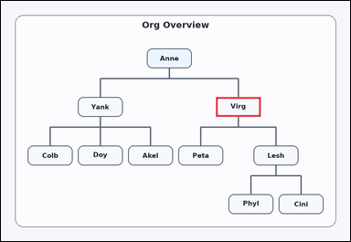 | task_diagrams_hierarchy_ancestor_label | parent_of_node | Look at the hierarchy diagram in the image: a hierarchical org chart with labeled boxes and parent-child connector lines. Read the labeled org chart and answer: What is the parent of Peta? Return the exact label shown. Answer with the exact label shown. Return a valid JSON object with keys "evidence" and "answer" in that order. Evidence: set "evidence" to an array containing exactly one bounding box [x1, y1, x2, y2] for the correct parent box. Answer: set "answer" to the exact visible ancestor label. Example JSON: {"evidence":[[926,352,1090,424]],"answer":"Walt"} | Look at the hierarchy diagram in the image: a hierarchical org chart with labeled boxes and parent-child connector lines. Read the labeled org chart and answer: What is the parent of Peta? Return the exact label shown. Answer with the exact label shown. Return a valid JSON object with key "answer". Answer: set "answer" to the exact visible ancestor label. Example JSON: {"answer":"Walt"} | {"evidence": [[788.0, 352.0, 952.0, 424.0]], "answer": "Virg"} | [[788.0, 352.0, 952.0, 424.0]] | string | bbox_set | 1.8361068358E+15 | diagrams/task_diagrams_hierarchy_ancestor_label/images/parent_of_node/0008.png | diagrams/task_diagrams_hierarchy_ancestor_label/data/parent_of_node/0008.json
 | 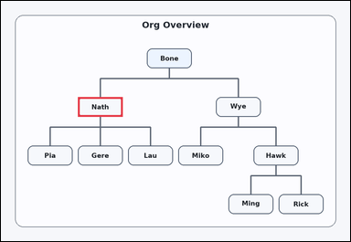 | task_diagrams_hierarchy_ancestor_label | parent_of_node | Use the hierarchical diagram in the image: a hierarchical org chart with labeled boxes and parent-child connector lines. Use the hierarchy to answer: What is the parent of Pia? Return the exact label shown. Give the full label exactly as shown. Return a valid JSON object with keys "evidence" and "answer" in that order. Evidence: set "evidence" to an array containing exactly one bounding box [x1, y1, x2, y2] for the correct parent box. Answer: set "answer" to the exact visible ancestor label. Example JSON: {"evidence":[[926,352,1090,424]],"answer":"Walt"} | Use the hierarchical diagram in the image: a hierarchical org chart with labeled boxes and parent-child connector lines. Use the hierarchy to answer: What is the parent of Pia? Return the exact label shown. Give the full label exactly as shown. Return a valid JSON object with key "answer". Answer: set "answer" to the exact visible ancestor label. Example JSON: {"answer":"Walt"} | {"evidence": [[282.0, 352.0, 446.0, 424.0]], "answer": "Nath"} | [[282.0, 352.0, 446.0, 424.0]] | string | bbox_set | 1.8604206095E+15 | diagrams/task_diagrams_hierarchy_ancestor_label/images/parent_of_node/0013.png | diagrams/task_diagrams_hierarchy_ancestor_label/data/parent_of_node/0013.json
 | 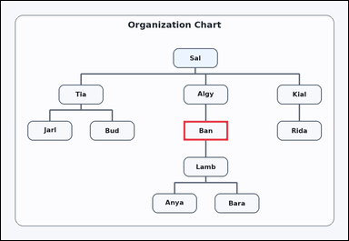 | task_diagrams_hierarchy_ancestor_label | parent_of_node | Work from the labeled parent-child structure: a hierarchical org chart with labeled boxes and parent-child connector lines. Determine the requested ancestor from the hierarchy: What is the parent of Lamb? Return the exact label shown. Give the full label exactly as shown. Return a valid JSON object with keys "evidence" and "answer" in that order. Evidence: set "evidence" to an array containing exactly one bounding box [x1, y1, x2, y2] for the correct parent box. Answer: set "answer" to the exact visible ancestor label. Example JSON: {"evidence":[[926,352,1090,424]],"answer":"Walt"} | Work from the labeled parent-child structure: a hierarchical org chart with labeled boxes and parent-child connector lines. Determine the requested ancestor from the hierarchy: What is the parent of Lamb? Return the exact label shown. Give the full label exactly as shown. Return a valid JSON object with key "answer". Answer format: set "answer" to the exact visible ancestor label. Example JSON: {"answer":"Walt"} | {"evidence": [[673.0, 441.0, 837.0, 513.0]], "answer": "Ban"} | [[673.0, 441.0, 837.0, 513.0]] | string | bbox_set | 2.0081027959E+15 | diagrams/task_diagrams_hierarchy_ancestor_label/images/parent_of_node/0003.png | diagrams/task_diagrams_hierarchy_ancestor_label/data/parent_of_node/0003.json
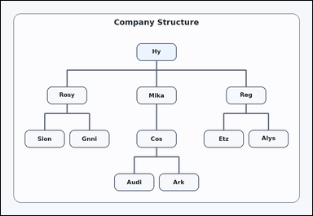 | 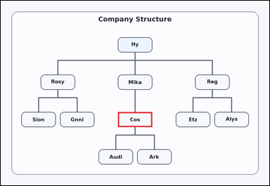 | task_diagrams_hierarchy_ancestor_label | parent_of_node | The image shows a hierarchical org chart with labeled boxes and parent-child connector lines. Use the hierarchy to answer: What is the parent of Audi? Return the exact label shown. Answer with the exact label shown. Return a valid JSON object with keys "evidence" and "answer" in that order. Evidence requirement: set "evidence" to an array containing exactly one bounding box [x1, y1, x2, y2] for the correct parent box. Answer format: set "answer" to the exact visible ancestor label. Example JSON: {"evidence":[[926,352,1090,424]],"answer":"Walt"} | The image shows a hierarchical org chart with labeled boxes and parent-child connector lines. Use the hierarchy to answer: What is the parent of Audi? Return the exact label shown. Answer with the exact label shown. Return a valid JSON object with key "answer". Answer field: set "answer" to the exact visible ancestor label. Example JSON: {"answer":"Walt"} | {"evidence": [[558.0, 530.0, 722.0, 602.0]], "answer": "Cos"} | [[558.0, 530.0, 722.0, 602.0]] | string | bbox_set | 2.9198590471E+15 | diagrams/task_diagrams_hierarchy_ancestor_label/images/parent_of_node/0010.png | diagrams/task_diagrams_hierarchy_ancestor_label/data/parent_of_node/0010.json
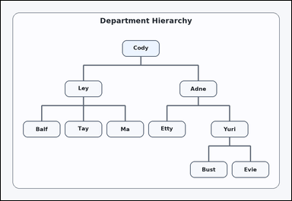 |  | task_diagrams_hierarchy_ancestor_label | parent_of_node | Use the hierarchical diagram in the image: a hierarchical org chart with labeled boxes and parent-child connector lines. Determine the requested ancestor from the hierarchy: What is the parent of Bust? Return the exact label shown. Give the full label exactly as shown. Return a valid JSON object with keys "evidence" and "answer" in that order. Evidence requirement: set "evidence" to an array containing exactly one bounding box [x1, y1, x2, y2] for the correct parent box. Answer format: set "answer" to the exact visible ancestor label. Example JSON: {"evidence":[[926,352,1090,424]],"answer":"Walt"} | Use the hierarchical diagram in the image: a hierarchical org chart with labeled boxes and parent-child connector lines. Determine the requested ancestor from the hierarchy: What is the parent of Bust? Return the exact label shown. Give the full label exactly as shown. Return a valid JSON object with key "answer". Answer field: set "answer" to the exact visible ancestor label. Example JSON: {"answer":"Walt"} | {"evidence": [[926.0, 530.0, 1090.0, 602.0]], "answer": "Yuri"} | [[926.0, 530.0, 1090.0, 602.0]] | string | bbox_set | 3.5027146692E+15 | diagrams/task_diagrams_hierarchy_ancestor_label/images/parent_of_node/0002.png | diagrams/task_diagrams_hierarchy_ancestor_label/data/parent_of_node/0002.json
 |  | task_diagrams_hierarchy_ancestor_label | parent_of_node | Work from the labeled parent-child structure: a hierarchical org chart with labeled boxes and parent-child connector lines. Read the labeled org chart and answer: What is the parent of Elke? Return the exact label shown. Return the exact visible label. Return a valid JSON object with keys "evidence" and "answer" in that order. Evidence: set "evidence" to an array containing exactly one bounding box [x1, y1, x2, y2] for the correct parent box. Answer: set "answer" to the exact visible ancestor label. Example JSON: {"evidence":[[926,352,1090,424]],"answer":"Walt"} | Work from the labeled parent-child structure: a hierarchical org chart with labeled boxes and parent-child connector lines. Read the labeled org chart and answer: What is the parent of Elke? Return the exact label shown. Return the exact visible label. Return a valid JSON object with key "answer". Answer format: set "answer" to the exact visible ancestor label. Example JSON: {"answer":"Walt"} | {"evidence": [[926.0, 352.0, 1090.0, 424.0]], "answer": "Diaz"} | [[926.0, 352.0, 1090.0, 424.0]] | string | bbox_set | 4.0656524132E+15 | diagrams/task_diagrams_hierarchy_ancestor_label/images/parent_of_node/0017.png | diagrams/task_diagrams_hierarchy_ancestor_label/data/parent_of_node/0017.json
 |  | task_diagrams_hierarchy_ancestor_label | parent_of_node | Look at the hierarchy diagram in the image: a hierarchical org chart with labeled boxes and parent-child connector lines. Read the labeled org chart and answer: What is the parent of Wall? Return the exact label shown. Return the exact visible label. Return a valid JSON object with keys "evidence" and "answer" in that order. Evidence field: set "evidence" to an array containing exactly one bounding box [x1, y1, x2, y2] for the correct parent box. Answer field: set "answer" to the exact visible ancestor label. Example JSON: {"evidence":[[926,352,1090,424]],"answer":"Walt"} | Look at the hierarchy diagram in the image: a hierarchical org chart with labeled boxes and parent-child connector lines. Read the labeled org chart and answer: What is the parent of Wall? Return the exact label shown. Return the exact visible label. Return a valid JSON object with key "answer". Answer rule: set "answer" to the exact visible ancestor label. Example JSON: {"answer":"Walt"} | {"evidence": [[190.0, 441.0, 354.0, 513.0]], "answer": "Livi"} | [[190.0, 441.0, 354.0, 513.0]] | string | bbox_set | 4.153455206E+15 | diagrams/task_diagrams_hierarchy_ancestor_label/images/parent_of_node/0006.png | diagrams/task_diagrams_hierarchy_ancestor_label/data/parent_of_node/0006.json
 |  | task_diagrams_hierarchy_ancestor_label | parent_of_node | Work from the labeled parent-child structure: a hierarchical org chart with labeled boxes and parent-child connector lines. Follow the parent-child structure and answer: What is the parent of Dyna? Return the exact label shown. Answer using the exact visible label. Return a valid JSON object with keys "evidence" and "answer" in that order. Evidence requirement: set "evidence" to an array containing exactly one bounding box [x1, y1, x2, y2] for the correct parent box. Answer format: set "answer" to the exact visible ancestor label. Example JSON: {"evidence":[[926,352,1090,424]],"answer":"Walt"} | Work from the labeled parent-child structure: a hierarchical org chart with labeled boxes and parent-child connector lines. Follow the parent-child structure and answer: What is the parent of Dyna? Return the exact label shown. Answer using the exact visible label. Return a valid JSON object with key "answer". Answer field: set "answer" to the exact visible ancestor label. Example JSON: {"answer":"Walt"} | {"evidence": [[558.0, 530.0, 722.0, 602.0]], "answer": "Ax"} | [[558.0, 530.0, 722.0, 602.0]] | string | bbox_set | 4.7587341077E+15 | diagrams/task_diagrams_hierarchy_ancestor_label/images/parent_of_node/0019.png | diagrams/task_diagrams_hierarchy_ancestor_label/data/parent_of_node/0019.json
 |  | task_diagrams_hierarchy_ancestor_label | parent_of_node | Use the hierarchical diagram in the image: a hierarchical org chart with labeled boxes and parent-child connector lines. Read the labeled org chart and answer: What is the parent of Mert? Return the exact label shown. Return the exact visible label. Return a valid JSON object with keys "evidence" and "answer" in that order. Evidence format: set "evidence" to an array containing exactly one bounding box [x1, y1, x2, y2] for the correct parent box. Answer requirement: set "answer" to the exact visible ancestor label. Example JSON: {"evidence":[[926,352,1090,424]],"answer":"Walt"} | Use the hierarchical diagram in the image: a hierarchical org chart with labeled boxes and parent-child connector lines. Read the labeled org chart and answer: What is the parent of Mert? Return the exact label shown. Return the exact visible label. Return a valid JSON object with key "answer". Answer rule: set "answer" to the exact visible ancestor label. Example JSON: {"answer":"Walt"} | {"evidence": [[926.0, 352.0, 1090.0, 424.0]], "answer": "Cad"} | [[926.0, 352.0, 1090.0, 424.0]] | string | bbox_set | 4.9427625884E+15 | diagrams/task_diagrams_hierarchy_ancestor_label/images/parent_of_node/0004.png | diagrams/task_diagrams_hierarchy_ancestor_label/data/parent_of_node/0004.json
 |  | task_diagrams_hierarchy_ancestor_label | parent_of_node | You are given a hierarchical org chart with labeled boxes and parent-child connector lines. Determine the requested ancestor from the hierarchy: What is the parent of Bari? Return the exact label shown. Respond with the exact label from the diagram. Return a valid JSON object with keys "evidence" and "answer" in that order. Evidence requirement: set "evidence" to an array containing exactly one bounding box [x1, y1, x2, y2] for the correct parent box. Answer format: set "answer" to the exact visible ancestor label. Example JSON: {"evidence":[[926,352,1090,424]],"answer":"Walt"} | You are given a hierarchical org chart with labeled boxes and parent-child connector lines. Determine the requested ancestor from the hierarchy: What is the parent of Bari? Return the exact label shown. Respond with the exact label from the diagram. Return a valid JSON object with key "answer". Answer requirement: set "answer" to the exact visible ancestor label. Example JSON: {"answer":"Walt"} | {"evidence": [[190.0, 352.0, 354.0, 424.0]], "answer": "Clay"} | [[190.0, 352.0, 354.0, 424.0]] | string | bbox_set | 5.3011629255E+15 | diagrams/task_diagrams_hierarchy_ancestor_label/images/parent_of_node/0020.png | diagrams/task_diagrams_hierarchy_ancestor_label/data/parent_of_node/0020.json
 |  | task_diagrams_hierarchy_ancestor_label | parent_of_node | Look at the hierarchy diagram in the image: a hierarchical org chart with labeled boxes and parent-child connector lines. Determine the requested ancestor from the hierarchy: What is the parent of Byrn? Return the exact label shown. Answer using the exact visible label. Return a valid JSON object with keys "evidence" and "answer" in that order. Evidence field: set "evidence" to an array containing exactly one bounding box [x1, y1, x2, y2] for the correct parent box. Answer field: set "answer" to the exact visible ancestor label. Example JSON: {"evidence":[[926,352,1090,424]],"answer":"Walt"} | Look at the hierarchy diagram in the image: a hierarchical org chart with labeled boxes and parent-child connector lines. Determine the requested ancestor from the hierarchy: What is the parent of Byrn? Return the exact label shown. Answer using the exact visible label. Return a valid JSON object with key "answer". Answer requirement: set "answer" to the exact visible ancestor label. Example JSON: {"answer":"Walt"} | {"evidence": [[788.0, 352.0, 952.0, 424.0]], "answer": "Kela"} | [[788.0, 352.0, 952.0, 424.0]] | string | bbox_set | 5.3012582755E+15 | diagrams/task_diagrams_hierarchy_ancestor_label/images/parent_of_node/0021.png | diagrams/task_diagrams_hierarchy_ancestor_label/data/parent_of_node/0021.json
 |  | task_diagrams_hierarchy_ancestor_label | parent_of_node | The image shows a hierarchical org chart with labeled boxes and parent-child connector lines. What is the parent of Nel? Return the exact label shown. Give the full label exactly as shown. Return a valid JSON object with keys "evidence" and "answer" in that order. Evidence rule: set "evidence" to an array containing exactly one bounding box [x1, y1, x2, y2] for the correct parent box. Answer rule: set "answer" to the exact visible ancestor label. Example JSON: {"evidence":[[926,352,1090,424]],"answer":"Walt"} | The image shows a hierarchical org chart with labeled boxes and parent-child connector lines. What is the parent of Nel? Return the exact label shown. Give the full label exactly as shown. Return a valid JSON object with key "answer". Answer format: set "answer" to the exact visible ancestor label. Example JSON: {"answer":"Walt"} | {"evidence": [[558.0, 352.0, 722.0, 424.0]], "answer": "Klos"} | [[558.0, 352.0, 722.0, 424.0]] | string | bbox_set | 5.4025676817E+15 | diagrams/task_diagrams_hierarchy_ancestor_label/images/parent_of_node/0011.png | diagrams/task_diagrams_hierarchy_ancestor_label/data/parent_of_node/0011.json
 |  | task_diagrams_hierarchy_ancestor_label | parent_of_node | Work from the labeled parent-child structure: a hierarchical org chart with labeled boxes and parent-child connector lines. Read the labeled org chart and answer: What is the parent of Law? Return the exact label shown. Return the exact visible label. Return a valid JSON object with keys "evidence" and "answer" in that order. Evidence: set "evidence" to an array containing exactly one bounding box [x1, y1, x2, y2] for the correct parent box. Answer: set "answer" to the exact visible ancestor label. Example JSON: {"evidence":[[926,352,1090,424]],"answer":"Walt"} | Work from the labeled parent-child structure: a hierarchical org chart with labeled boxes and parent-child connector lines. Read the labeled org chart and answer: What is the parent of Law? Return the exact label shown. Return the exact visible label. Return a valid JSON object with key "answer". Answer rule: set "answer" to the exact visible ancestor label. Example JSON: {"answer":"Walt"} | {"evidence": [[558.0, 441.0, 722.0, 513.0]], "answer": "Ruy"} | [[558.0, 441.0, 722.0, 513.0]] | string | bbox_set | 6.8188723539E+15 | diagrams/task_diagrams_hierarchy_ancestor_label/images/parent_of_node/0012.png | diagrams/task_diagrams_hierarchy_ancestor_label/data/parent_of_node/0012.json
 |  | task_diagrams_hierarchy_ancestor_label | parent_of_node | The image shows a hierarchical org chart with labeled boxes and parent-child connector lines. What is the parent of Dorr? Return the exact label shown. Give the full label exactly as shown. Return a valid JSON object with keys "evidence" and "answer" in that order. Evidence rule: set "evidence" to an array containing exactly one bounding box [x1, y1, x2, y2] for the correct parent box. Answer rule: set "answer" to the exact visible ancestor label. Example JSON: {"evidence":[[926,352,1090,424]],"answer":"Walt"} | The image shows a hierarchical org chart with labeled boxes and parent-child connector lines. What is the parent of Dorr? Return the exact label shown. Give the full label exactly as shown. Return a valid JSON object with key "answer". Answer requirement: set "answer" to the exact visible ancestor label. Example JSON: {"answer":"Walt"} | {"evidence": [[190.0, 441.0, 354.0, 513.0]], "answer": "Tray"} | [[190.0, 441.0, 354.0, 513.0]] | string | bbox_set | 6.8378067433E+15 | diagrams/task_diagrams_hierarchy_ancestor_label/images/parent_of_node/0023.png | diagrams/task_diagrams_hierarchy_ancestor_label/data/parent_of_node/0023.json
 |  | task_diagrams_hierarchy_ancestor_label | parent_of_node | Use the hierarchical diagram in the image: a hierarchical org chart with labeled boxes and parent-child connector lines. Use the hierarchy to answer: What is the parent of Lil? Return the exact label shown. Give the full label exactly as shown. Return a valid JSON object with keys "evidence" and "answer" in that order. Evidence format: set "evidence" to an array containing exactly one bounding box [x1, y1, x2, y2] for the correct parent box. Answer requirement: set "answer" to the exact visible ancestor label. Example JSON: {"evidence":[[926,352,1090,424]],"answer":"Walt"} | Use the hierarchical diagram in the image: a hierarchical org chart with labeled boxes and parent-child connector lines. Use the hierarchy to answer: What is the parent of Lil? Return the exact label shown. Give the full label exactly as shown. Return a valid JSON object with key "answer". Answer format: set "answer" to the exact visible ancestor label. Example JSON: {"answer":"Walt"} | {"evidence": [[926.0, 530.0, 1090.0, 602.0]], "answer": "Rapp"} | [[926.0, 530.0, 1090.0, 602.0]] | string | bbox_set | 6.8735930847E+15 | diagrams/task_diagrams_hierarchy_ancestor_label/images/parent_of_node/0022.png | diagrams/task_diagrams_hierarchy_ancestor_label/data/parent_of_node/0022.json
 |  | task_diagrams_hierarchy_ancestor_label | parent_of_node | The image shows a hierarchical org chart with labeled boxes and parent-child connector lines. Determine the requested ancestor from the hierarchy: What is the parent of Aria? Return the exact label shown. Answer with the exact label shown. Return a valid JSON object with keys "evidence" and "answer" in that order. Evidence: set "evidence" to an array containing exactly one bounding box [x1, y1, x2, y2] for the correct parent box. Answer: set "answer" to the exact visible ancestor label. Example JSON: {"evidence":[[926,352,1090,424]],"answer":"Walt"} | The image shows a hierarchical org chart with labeled boxes and parent-child connector lines. Determine the requested ancestor from the hierarchy: What is the parent of Aria? Return the exact label shown. Answer with the exact label shown. Return a valid JSON object with key "answer". Answer field: set "answer" to the exact visible ancestor label. Example JSON: {"answer":"Walt"} | {"evidence": [[535.0, 174.0, 699.0, 246.0]], "answer": "Lati"} | [[535.0, 174.0, 699.0, 246.0]] | string | bbox_set | 7.3992285338E+15 | diagrams/task_diagrams_hierarchy_ancestor_label/images/parent_of_node/0007.png | diagrams/task_diagrams_hierarchy_ancestor_label/data/parent_of_node/0007.json
 |  | task_diagrams_hierarchy_ancestor_label | parent_of_node | The image shows a hierarchical org chart with labeled boxes and parent-child connector lines. Determine the requested ancestor from the hierarchy: What is the parent of Ole? Return the exact label shown. Give the full label exactly as shown. Return a valid JSON object with keys "evidence" and "answer" in that order. Evidence format: set "evidence" to an array containing exactly one bounding box [x1, y1, x2, y2] for the correct parent box. Answer requirement: set "answer" to the exact visible ancestor label. Example JSON: {"evidence":[[926,352,1090,424]],"answer":"Walt"} | The image shows a hierarchical org chart with labeled boxes and parent-child connector lines. Determine the requested ancestor from the hierarchy: What is the parent of Ole? Return the exact label shown. Give the full label exactly as shown. Return a valid JSON object with key "answer". Answer: set "answer" to the exact visible ancestor label. Example JSON: {"answer":"Walt"} | {"evidence": [[1018.0, 307.5, 1182.0, 379.5]], "answer": "Mar"} | [[1018.0, 307.5, 1182.0, 379.5]] | string | bbox_set | 8.1147279666E+15 | diagrams/task_diagrams_hierarchy_ancestor_label/images/parent_of_node/0001.png | diagrams/task_diagrams_hierarchy_ancestor_label/data/parent_of_node/0001.json
 |  | task_diagrams_hierarchy_ancestor_label | parent_of_node | Look at the hierarchy diagram in the image: a hierarchical org chart with labeled boxes and parent-child connector lines. Follow the parent-child structure and answer: What is the parent of Olfe? Return the exact label shown. Give the full label exactly as shown. Return a valid JSON object with keys "evidence" and "answer" in that order. Evidence format: set "evidence" to an array containing exactly one bounding box [x1, y1, x2, y2] for the correct parent box. Answer requirement: set "answer" to the exact visible ancestor label. Example JSON: {"evidence":[[926,352,1090,424]],"answer":"Walt"} | Look at the hierarchy diagram in the image: a hierarchical org chart with labeled boxes and parent-child connector lines. Follow the parent-child structure and answer: What is the parent of Olfe? Return the exact label shown. Give the full label exactly as shown. Return a valid JSON object with key "answer". Answer requirement: set "answer" to the exact visible ancestor label. Example JSON: {"answer":"Walt"} | {"evidence": [[558.0, 174.0, 722.0, 246.0]], "answer": "Vola"} | [[558.0, 174.0, 722.0, 246.0]] | string | bbox_set | 8.6046202666E+15 | diagrams/task_diagrams_hierarchy_ancestor_label/images/parent_of_node/0014.png | diagrams/task_diagrams_hierarchy_ancestor_label/data/parent_of_node/0014.json
 |  | task_diagrams_hierarchy_ancestor_label | parent_of_node | The image shows a hierarchical org chart with labeled boxes and parent-child connector lines. Use the hierarchy to answer: What is the parent of Ame? Return the exact label shown. Return the exact visible label. Return a valid JSON object with keys "evidence" and "answer" in that order. Evidence requirement: set "evidence" to an array containing exactly one bounding box [x1, y1, x2, y2] for the correct parent box. Answer format: set "answer" to the exact visible ancestor label. Example JSON: {"evidence":[[926,352,1090,424]],"answer":"Walt"} | The image shows a hierarchical org chart with labeled boxes and parent-child connector lines. Use the hierarchy to answer: What is the parent of Ame? Return the exact label shown. Return the exact visible label. Return a valid JSON object with key "answer". Answer: set "answer" to the exact visible ancestor label. Example JSON: {"answer":"Walt"} | {"evidence": [[926.0, 530.0, 1090.0, 602.0]], "answer": "Tina"} | [[926.0, 530.0, 1090.0, 602.0]] | string | bbox_set | 8.6842546295E+15 | diagrams/task_diagrams_hierarchy_ancestor_label/images/parent_of_node/0015.png | diagrams/task_diagrams_hierarchy_ancestor_label/data/parent_of_node/0015.json
 |  | task_diagrams_hierarchy_ancestor_label | parent_of_node | Use the hierarchical diagram in the image: a hierarchical org chart with labeled boxes and parent-child connector lines. Read the labeled org chart and answer: What is the parent of Huba? Return the exact label shown. Respond with the exact label from the diagram. Return a valid JSON object with keys "evidence" and "answer" in that order. Evidence format: set "evidence" to an array containing exactly one bounding box [x1, y1, x2, y2] for the correct parent box. Answer requirement: set "answer" to the exact visible ancestor label. Example JSON: {"evidence":[[926,352,1090,424]],"answer":"Walt"} | Use the hierarchical diagram in the image: a hierarchical org chart with labeled boxes and parent-child connector lines. Read the labeled org chart and answer: What is the parent of Huba? Return the exact label shown. Respond with the exact label from the diagram. Return a valid JSON object with key "answer". Answer: set "answer" to the exact visible ancestor label. Example JSON: {"answer":"Walt"} | {"evidence": [[634.667, 174.0, 798.667, 246.0]], "answer": "Al"} | [[634.667, 174.0, 798.667, 246.0]] | string | bbox_set | 8.9176314066E+15 | diagrams/task_diagrams_hierarchy_ancestor_label/images/parent_of_node/0016.png | diagrams/task_diagrams_hierarchy_ancestor_label/data/parent_of_node/0016.json
 |  | task_diagrams_hierarchy_ancestor_label | parent_of_node | You are given a hierarchical org chart with labeled boxes and parent-child connector lines. Follow the parent-child structure and answer: What is the parent of Pate? Return the exact label shown. Answer with the exact label shown. Return a valid JSON object with keys "evidence" and "answer" in that order. Evidence field: set "evidence" to an array containing exactly one bounding box [x1, y1, x2, y2] for the correct parent box. Answer field: set "answer" to the exact visible ancestor label. Example JSON: {"evidence":[[926,352,1090,424]],"answer":"Walt"} | You are given a hierarchical org chart with labeled boxes and parent-child connector lines. Follow the parent-child structure and answer: What is the parent of Pate? Return the exact label shown. Answer with the exact label shown. Return a valid JSON object with key "answer". Answer: set "answer" to the exact visible ancestor label. Example JSON: {"answer":"Walt"} | {"evidence": [[190.0, 352.0, 354.0, 424.0]], "answer": "Rube"} | [[190.0, 352.0, 354.0, 424.0]] | string | bbox_set | 8.9610907591E+15 | diagrams/task_diagrams_hierarchy_ancestor_label/images/parent_of_node/0018.png | diagrams/task_diagrams_hierarchy_ancestor_label/data/parent_of_node/0018.json

