section_of_field_label
image | evidence_image | task | task_variant | prompt | prompt_answer_only | answer | answer_evidence | answer_type | evidence_type | instance_seed | image_path | data_path
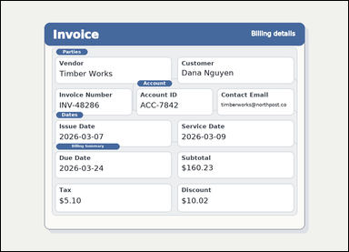 | 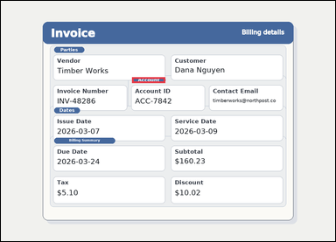 | task_documents_layout_section_membership_label | section_of_field_label | The image shows an invoice with visible named sections, labeled header fields, and summary blocks. Locate the relevant section before answering: Which section contains the field labeled Contact Email? Return the exact section title shown. Return the exact section heading as written. Return a valid JSON object with keys "evidence" and "answer" in that order. Evidence field: set "evidence" to an array containing exactly one bounding box for the matching section header. Answer field: set "answer" to the exact section title shown in the document. Example JSON: {"evidence":[[132,182,260,214]],"answer":"Billing Summary"} | The image shows an invoice with visible named sections, labeled header fields, and summary blocks. Locate the relevant section before answering: Which section contains the field labeled Contact Email? Return the exact section title shown. Return the exact section heading as written. Return a valid JSON object with key "answer". Answer field: set "answer" to the exact section title shown in the document. Example JSON: {"answer":"Billing Summary"} | {"evidence": [[502.667, 292.0, 629.667, 314.0]], "answer": "Account"} | [[502.667, 292.0, 629.667, 314.0]] | string | bbox_set | 142622401358328 | documents/task_documents_layout_section_membership_label/images/section_of_field_label/0003.png | documents/task_documents_layout_section_membership_label/data/section_of_field_label/0003.json
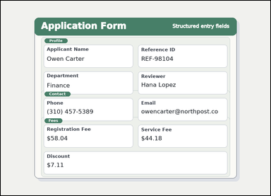 | 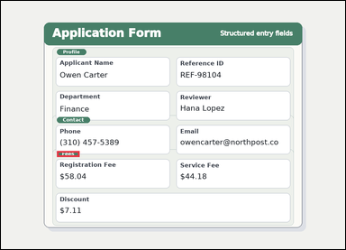 | task_documents_layout_section_membership_label | section_of_field_label | Read the named sections in this document: a structured application form with visible section headers and labeled fields. Which section contains the field labeled Service Fee? Return the exact section title shown. Return the exact section heading as written. Return a valid JSON object with keys "evidence" and "answer" in that order. Evidence: set "evidence" to an array containing exactly one bounding box for the matching section header. Answer: set "answer" to the exact section title shown in the document. Example JSON: {"evidence":[[132,182,260,214]],"answer":"Billing Summary"} | Read the named sections in this document: a structured application form with visible section headers and labeled fields. Which section contains the field labeled Service Fee? Return the exact section title shown. Return the exact section heading as written. Return a valid JSON object with key "answer". Answer format: set "answer" to the exact section title shown in the document. Example JSON: {"answer":"Billing Summary"} | {"evidence": [[208.0, 556.0, 292.0, 578.0]], "answer": "Fees"} | [[208.0, 556.0, 292.0, 578.0]] | string | bbox_set | 982905202909557 | documents/task_documents_layout_section_membership_label/images/section_of_field_label/0016.png | documents/task_documents_layout_section_membership_label/data/section_of_field_label/0016.json
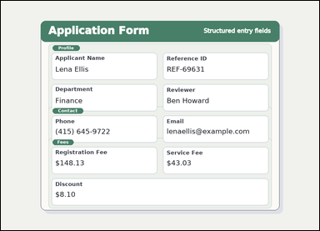 | 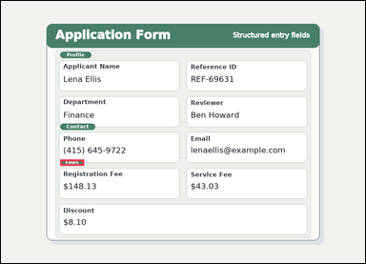 | task_documents_layout_section_membership_label | section_of_field_label | Look at the document in the image: a structured application form with visible section headers and labeled fields. Use the visible section headers and labeled fields to answer: Which section contains the field labeled Discount? Return the exact section title shown. Respond with the exact section title from the document. Return a valid JSON object with keys "evidence" and "answer" in that order. Evidence: set "evidence" to an array containing exactly one bounding box for the matching section header. Answer: set "answer" to the exact section title shown in the document. Example JSON: {"evidence":[[132,182,260,214]],"answer":"Billing Summary"} | Look at the document in the image: a structured application form with visible section headers and labeled fields. Use the visible section headers and labeled fields to answer: Which section contains the field labeled Discount? Return the exact section title shown. Respond with the exact section title from the document. Return a valid JSON object with key "answer". Answer field: set "answer" to the exact section title shown in the document. Example JSON: {"answer":"Billing Summary"} | {"evidence": [[208.0, 556.0, 292.0, 578.0]], "answer": "Fees"} | [[208.0, 556.0, 292.0, 578.0]] | string | bbox_set | 1.1845823847E+15 | documents/task_documents_layout_section_membership_label/images/section_of_field_label/0010.png | documents/task_documents_layout_section_membership_label/data/section_of_field_label/0010.json
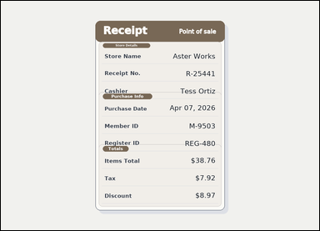 | 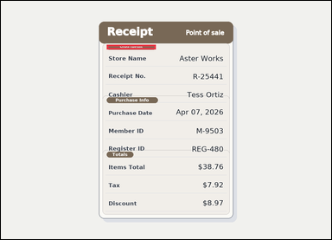 | task_documents_layout_section_membership_label | section_of_field_label | Use the structured document in the image: a receipt-style document with visible section headers and labeled totals rows. Which section contains the field labeled Receipt No.? Return the exact section title shown. Respond with the exact section title from the document. Return a valid JSON object with keys "evidence" and "answer" in that order. Evidence requirement: set "evidence" to an array containing exactly one bounding box for the matching section header. Answer format: set "answer" to the exact section title shown in the document. Example JSON: {"evidence":[[132,182,260,214]],"answer":"Billing Summary"} | Use the structured document in the image: a receipt-style document with visible section headers and labeled totals rows. Which section contains the field labeled Receipt No.? Return the exact section title shown. Respond with the exact section title from the document. Return a valid JSON object with key "answer". Answer requirement: set "answer" to the exact section title shown in the document. Example JSON: {"answer":"Billing Summary"} | {"evidence": [[410.0, 169.5, 600.0, 187.5]], "answer": "Store Details"} | [[410.0, 169.5, 600.0, 187.5]] | string | bbox_set | 1.7807431527E+15 | documents/task_documents_layout_section_membership_label/images/section_of_field_label/0002.png | documents/task_documents_layout_section_membership_label/data/section_of_field_label/0002.json
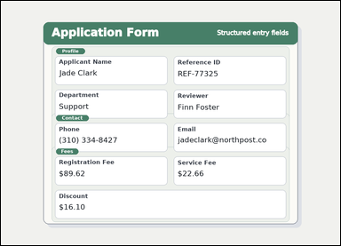 | 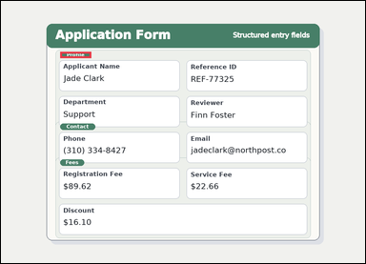 | task_documents_layout_section_membership_label | section_of_field_label | Use the structured document in the image: a structured application form with visible section headers and labeled fields. Locate the relevant section before answering: Which section contains the field labeled Reviewer? Return the exact section title shown. Return the exact section heading as written. Return a valid JSON object with keys "evidence" and "answer" in that order. Evidence: set "evidence" to an array containing exactly one bounding box for the matching section header. Answer: set "answer" to the exact section title shown in the document. Example JSON: {"evidence":[[132,182,260,214]],"answer":"Billing Summary"} | Use the structured document in the image: a structured application form with visible section headers and labeled fields. Locate the relevant section before answering: Which section contains the field labeled Reviewer? Return the exact section title shown. Return the exact section heading as written. Return a valid JSON object with key "answer". Answer field: set "answer" to the exact section title shown in the document. Example JSON: {"answer":"Billing Summary"} | {"evidence": [[208.0, 178.0, 317.0, 200.0]], "answer": "Profile"} | [[208.0, 178.0, 317.0, 200.0]] | string | bbox_set | 2.0012739037E+15 | documents/task_documents_layout_section_membership_label/images/section_of_field_label/0013.png | documents/task_documents_layout_section_membership_label/data/section_of_field_label/0013.json
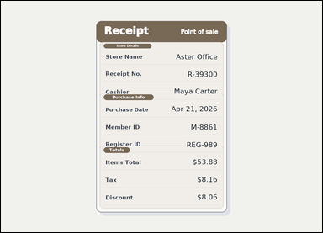 | 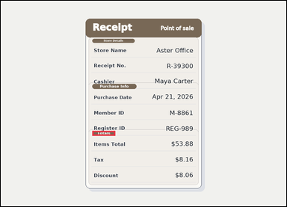 | task_documents_layout_section_membership_label | section_of_field_label | You are given a receipt-style document with visible section headers and labeled totals rows. Use the visible section headers and labeled fields to answer: Which section contains the field labeled Tax? Return the exact section title shown. Respond with the exact section title from the document. Return a valid JSON object with keys "evidence" and "answer" in that order. Evidence format: set "evidence" to an array containing exactly one bounding box for the matching section header. Answer requirement: set "answer" to the exact section title shown in the document. Example JSON: {"evidence":[[132,182,260,214]],"answer":"Billing Summary"} | You are given a receipt-style document with visible section headers and labeled totals rows. Use the visible section headers and labeled fields to answer: Which section contains the field labeled Tax? Return the exact section title shown. Respond with the exact section title from the document. Return a valid JSON object with key "answer". Answer requirement: set "answer" to the exact section title shown in the document. Example JSON: {"answer":"Billing Summary"} | {"evidence": [[410.0, 582.0, 513.0, 604.0]], "answer": "Totals"} | [[410.0, 582.0, 513.0, 604.0]] | string | bbox_set | 2.2106741044E+15 | documents/task_documents_layout_section_membership_label/images/section_of_field_label/0009.png | documents/task_documents_layout_section_membership_label/data/section_of_field_label/0009.json
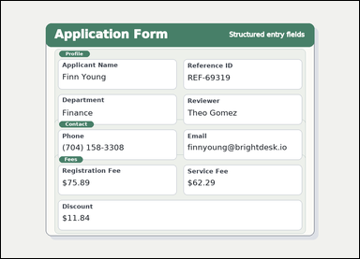 | 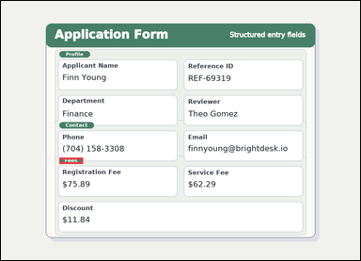 | task_documents_layout_section_membership_label | section_of_field_label | Use the structured document in the image: a structured application form with visible section headers and labeled fields. Which section contains the field labeled Registration Fee? Return the exact section title shown. Give the exact section title shown for the matching block. Return a valid JSON object with keys "evidence" and "answer" in that order. Evidence rule: set "evidence" to an array containing exactly one bounding box for the matching section header. Answer rule: set "answer" to the exact section title shown in the document. Example JSON: {"evidence":[[132,182,260,214]],"answer":"Billing Summary"} | Use the structured document in the image: a structured application form with visible section headers and labeled fields. Which section contains the field labeled Registration Fee? Return the exact section title shown. Give the exact section title shown for the matching block. Return a valid JSON object with key "answer". Answer requirement: set "answer" to the exact section title shown in the document. Example JSON: {"answer":"Billing Summary"} | {"evidence": [[208.0, 556.0, 292.0, 578.0]], "answer": "Fees"} | [[208.0, 556.0, 292.0, 578.0]] | string | bbox_set | 2.3528705224E+15 | documents/task_documents_layout_section_membership_label/images/section_of_field_label/0022.png | documents/task_documents_layout_section_membership_label/data/section_of_field_label/0022.json
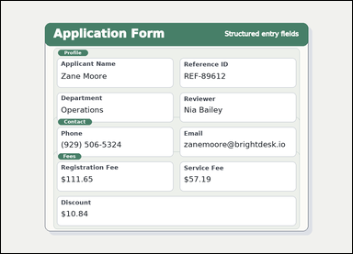 |  | task_documents_layout_section_membership_label | section_of_field_label | Look at the document in the image: a structured application form with visible section headers and labeled fields. Read the document and answer this question: Which section contains the field labeled Service Fee? Return the exact section title shown. Return the exact section heading as written. Return a valid JSON object with keys "evidence" and "answer" in that order. Evidence requirement: set "evidence" to an array containing exactly one bounding box for the matching section header. Answer format: set "answer" to the exact section title shown in the document. Example JSON: {"evidence":[[132,182,260,214]],"answer":"Billing Summary"} | Look at the document in the image: a structured application form with visible section headers and labeled fields. Read the document and answer this question: Which section contains the field labeled Service Fee? Return the exact section title shown. Return the exact section heading as written. Return a valid JSON object with key "answer". Answer: set "answer" to the exact section title shown in the document. Example JSON: {"answer":"Billing Summary"} | {"evidence": [[208.0, 556.0, 292.0, 578.0]], "answer": "Fees"} | [[208.0, 556.0, 292.0, 578.0]] | string | bbox_set | 2.5788682076E+15 | documents/task_documents_layout_section_membership_label/images/section_of_field_label/0007.png | documents/task_documents_layout_section_membership_label/data/section_of_field_label/0007.json
 | 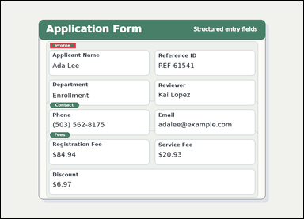 | task_documents_layout_section_membership_label | section_of_field_label | The image shows a structured application form with visible section headers and labeled fields. Locate the relevant section before answering: Which section contains the field labeled Department? Return the exact section title shown. Return the exact section heading as written. Return a valid JSON object with keys "evidence" and "answer" in that order. Evidence: set "evidence" to an array containing exactly one bounding box for the matching section header. Answer: set "answer" to the exact section title shown in the document. Example JSON: {"evidence":[[132,182,260,214]],"answer":"Billing Summary"} | The image shows a structured application form with visible section headers and labeled fields. Locate the relevant section before answering: Which section contains the field labeled Department? Return the exact section title shown. Return the exact section heading as written. Return a valid JSON object with key "answer". Answer requirement: set "answer" to the exact section title shown in the document. Example JSON: {"answer":"Billing Summary"} | {"evidence": [[208.0, 178.0, 317.0, 200.0]], "answer": "Profile"} | [[208.0, 178.0, 317.0, 200.0]] | string | bbox_set | 3.0682488529E+15 | documents/task_documents_layout_section_membership_label/images/section_of_field_label/0011.png | documents/task_documents_layout_section_membership_label/data/section_of_field_label/0011.json
 |  | task_documents_layout_section_membership_label | section_of_field_label | Use the structured document in the image: a structured application form with visible section headers and labeled fields. Read the document and answer this question: Which section contains the field labeled Discount? Return the exact section title shown. Answer using the exact section heading. Return a valid JSON object with keys "evidence" and "answer" in that order. Evidence: set "evidence" to an array containing exactly one bounding box for the matching section header. Answer: set "answer" to the exact section title shown in the document. Example JSON: {"evidence":[[132,182,260,214]],"answer":"Billing Summary"} | Use the structured document in the image: a structured application form with visible section headers and labeled fields. Read the document and answer this question: Which section contains the field labeled Discount? Return the exact section title shown. Answer using the exact section heading. Return a valid JSON object with key "answer". Answer: set "answer" to the exact section title shown in the document. Example JSON: {"answer":"Billing Summary"} | {"evidence": [[208.0, 556.0, 292.0, 578.0]], "answer": "Fees"} | [[208.0, 556.0, 292.0, 578.0]] | string | bbox_set | 3.7149567575E+15 | documents/task_documents_layout_section_membership_label/images/section_of_field_label/0024.png | documents/task_documents_layout_section_membership_label/data/section_of_field_label/0024.json
 |  | task_documents_layout_section_membership_label | section_of_field_label | The image shows a structured application form with visible section headers and labeled fields. Use the visible section headers and labeled fields to answer: Which section contains the field labeled Department? Return the exact section title shown. Return the exact section heading as written. Return a valid JSON object with keys "evidence" and "answer" in that order. Evidence: set "evidence" to an array containing exactly one bounding box for the matching section header. Answer: set "answer" to the exact section title shown in the document. Example JSON: {"evidence":[[132,182,260,214]],"answer":"Billing Summary"} | The image shows a structured application form with visible section headers and labeled fields. Use the visible section headers and labeled fields to answer: Which section contains the field labeled Department? Return the exact section title shown. Return the exact section heading as written. Return a valid JSON object with key "answer". Answer requirement: set "answer" to the exact section title shown in the document. Example JSON: {"answer":"Billing Summary"} | {"evidence": [[208.0, 178.0, 317.0, 200.0]], "answer": "Profile"} | [[208.0, 178.0, 317.0, 200.0]] | string | bbox_set | 4.1934039357E+15 | documents/task_documents_layout_section_membership_label/images/section_of_field_label/0000.png | documents/task_documents_layout_section_membership_label/data/section_of_field_label/0000.json
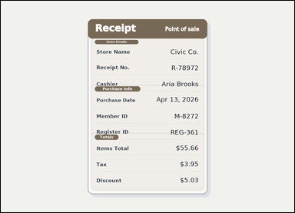 | 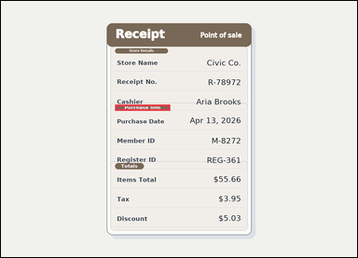 | task_documents_layout_section_membership_label | section_of_field_label | The image shows a receipt-style document with visible section headers and labeled totals rows. Read the document and answer this question: Which section contains the field labeled Register ID? Return the exact section title shown. Answer with the exact section title shown. Return a valid JSON object with keys "evidence" and "answer" in that order. Evidence format: set "evidence" to an array containing exactly one bounding box for the matching section header. Answer requirement: set "answer" to the exact section title shown in the document. Example JSON: {"evidence":[[132,182,260,214]],"answer":"Billing Summary"} | The image shows a receipt-style document with visible section headers and labeled totals rows. Read the document and answer this question: Which section contains the field labeled Register ID? Return the exact section title shown. Answer with the exact section title shown. Return a valid JSON object with key "answer". Answer rule: set "answer" to the exact section title shown in the document. Example JSON: {"answer":"Billing Summary"} | {"evidence": [[410.0, 372.0, 608.0, 394.0]], "answer": "Purchase Info"} | [[410.0, 372.0, 608.0, 394.0]] | string | bbox_set | 4.5465216789E+15 | documents/task_documents_layout_section_membership_label/images/section_of_field_label/0018.png | documents/task_documents_layout_section_membership_label/data/section_of_field_label/0018.json
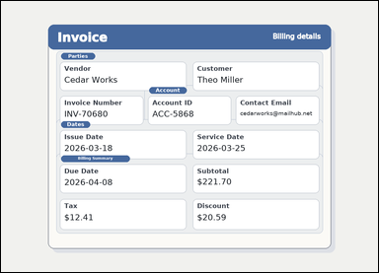 | 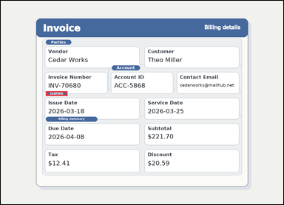 | task_documents_layout_section_membership_label | section_of_field_label | Use the structured document in the image: an invoice with visible named sections, labeled header fields, and summary blocks. Which section contains the field labeled Due Date? Return the exact section title shown. Respond with the exact section title from the document. Return a valid JSON object with keys "evidence" and "answer" in that order. Evidence requirement: set "evidence" to an array containing exactly one bounding box for the matching section header. Answer format: set "answer" to the exact section title shown in the document. Example JSON: {"evidence":[[132,182,260,214]],"answer":"Billing Summary"} | Use the structured document in the image: an invoice with visible named sections, labeled header fields, and summary blocks. Which section contains the field labeled Due Date? Return the exact section title shown. Respond with the exact section title from the document. Return a valid JSON object with key "answer". Answer field: set "answer" to the exact section title shown in the document. Example JSON: {"answer":"Billing Summary"} | {"evidence": [[204.0, 408.0, 302.0, 430.0]], "answer": "Dates"} | [[204.0, 408.0, 302.0, 430.0]] | string | bbox_set | 4.6515419157E+15 | documents/task_documents_layout_section_membership_label/images/section_of_field_label/0015.png | documents/task_documents_layout_section_membership_label/data/section_of_field_label/0015.json
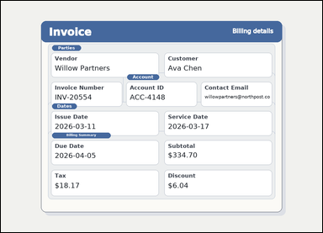 | 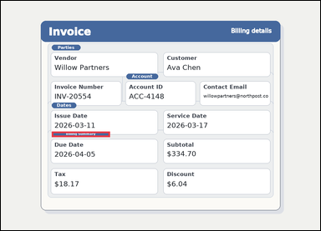 | task_documents_layout_section_membership_label | section_of_field_label | Use the structured document in the image: an invoice with visible named sections, labeled header fields, and summary blocks. Use the visible section headers and labeled fields to answer: Which section contains the field labeled Subtotal? Return the exact section title shown. Give the exact section title shown for the matching block. Return a valid JSON object with keys "evidence" and "answer" in that order. Evidence: set "evidence" to an array containing exactly one bounding box for the matching section header. Answer: set "answer" to the exact section title shown in the document. Example JSON: {"evidence":[[132,182,260,214]],"answer":"Billing Summary"} | Use the structured document in the image: an invoice with visible named sections, labeled header fields, and summary blocks. Use the visible section headers and labeled fields to answer: Which section contains the field labeled Subtotal? Return the exact section title shown. Give the exact section title shown for the matching block. Return a valid JSON object with key "answer". Answer field: set "answer" to the exact section title shown in the document. Example JSON: {"answer":"Billing Summary"} | {"evidence": [[204.0, 524.0, 437.0, 546.0]], "answer": "Billing Summary"} | [[204.0, 524.0, 437.0, 546.0]] | string | bbox_set | 4.9363208405E+15 | documents/task_documents_layout_section_membership_label/images/section_of_field_label/0023.png | documents/task_documents_layout_section_membership_label/data/section_of_field_label/0023.json
 | 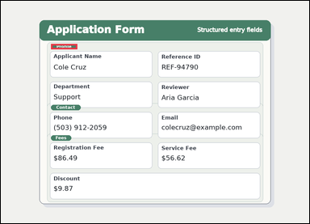 | task_documents_layout_section_membership_label | section_of_field_label | Use the structured document in the image: a structured application form with visible section headers and labeled fields. Use the visible section headers and labeled fields to answer: Which section contains the field labeled Department? Return the exact section title shown. Answer with the exact section title shown. Return a valid JSON object with keys "evidence" and "answer" in that order. Evidence format: set "evidence" to an array containing exactly one bounding box for the matching section header. Answer requirement: set "answer" to the exact section title shown in the document. Example JSON: {"evidence":[[132,182,260,214]],"answer":"Billing Summary"} | Use the structured document in the image: a structured application form with visible section headers and labeled fields. Use the visible section headers and labeled fields to answer: Which section contains the field labeled Department? Return the exact section title shown. Answer with the exact section title shown. Return a valid JSON object with key "answer". Answer: set "answer" to the exact section title shown in the document. Example JSON: {"answer":"Billing Summary"} | {"evidence": [[208.0, 178.0, 317.0, 200.0]], "answer": "Profile"} | [[208.0, 178.0, 317.0, 200.0]] | string | bbox_set | 5.4784232427E+15 | documents/task_documents_layout_section_membership_label/images/section_of_field_label/0005.png | documents/task_documents_layout_section_membership_label/data/section_of_field_label/0005.json
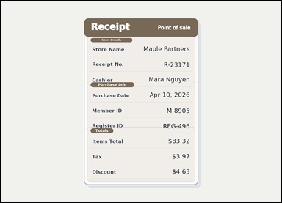 | 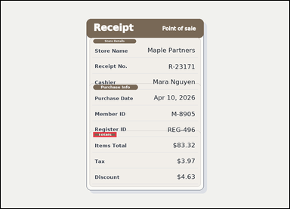 | task_documents_layout_section_membership_label | section_of_field_label | Look at the document in the image: a receipt-style document with visible section headers and labeled totals rows. Which section contains the field labeled Tax? Return the exact section title shown. Give the exact section title shown for the matching block. Return a valid JSON object with keys "evidence" and "answer" in that order. Evidence field: set "evidence" to an array containing exactly one bounding box for the matching section header. Answer field: set "answer" to the exact section title shown in the document. Example JSON: {"evidence":[[132,182,260,214]],"answer":"Billing Summary"} | Look at the document in the image: a receipt-style document with visible section headers and labeled totals rows. Which section contains the field labeled Tax? Return the exact section title shown. Give the exact section title shown for the matching block. Return a valid JSON object with key "answer". Answer format: set "answer" to the exact section title shown in the document. Example JSON: {"answer":"Billing Summary"} | {"evidence": [[410.0, 582.0, 513.0, 604.0]], "answer": "Totals"} | [[410.0, 582.0, 513.0, 604.0]] | string | bbox_set | 5.5018170526E+15 | documents/task_documents_layout_section_membership_label/images/section_of_field_label/0014.png | documents/task_documents_layout_section_membership_label/data/section_of_field_label/0014.json
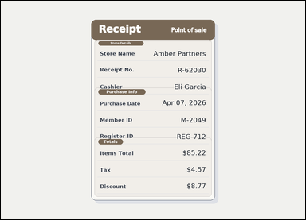 | 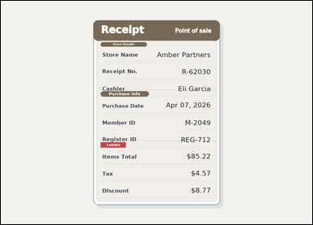 | task_documents_layout_section_membership_label | section_of_field_label | Use the structured document in the image: a receipt-style document with visible section headers and labeled totals rows. Locate the relevant section before answering: Which section contains the field labeled Discount? Return the exact section title shown. Answer using the exact section heading. Return a valid JSON object with keys "evidence" and "answer" in that order. Evidence field: set "evidence" to an array containing exactly one bounding box for the matching section header. Answer field: set "answer" to the exact section title shown in the document. Example JSON: {"evidence":[[132,182,260,214]],"answer":"Billing Summary"} | Use the structured document in the image: a receipt-style document with visible section headers and labeled totals rows. Locate the relevant section before answering: Which section contains the field labeled Discount? Return the exact section title shown. Answer using the exact section heading. Return a valid JSON object with key "answer". Answer field: set "answer" to the exact section title shown in the document. Example JSON: {"answer":"Billing Summary"} | {"evidence": [[410.0, 582.0, 513.0, 604.0]], "answer": "Totals"} | [[410.0, 582.0, 513.0, 604.0]] | string | bbox_set | 5.886604301E+15 | documents/task_documents_layout_section_membership_label/images/section_of_field_label/0021.png | documents/task_documents_layout_section_membership_label/data/section_of_field_label/0021.json
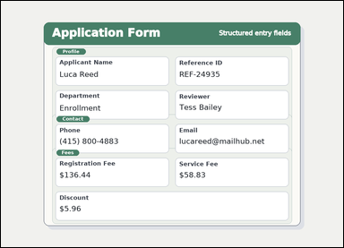 |  | task_documents_layout_section_membership_label | section_of_field_label | Look at the document in the image: a structured application form with visible section headers and labeled fields. Locate the relevant section before answering: Which section contains the field labeled Reference ID? Return the exact section title shown. Respond with the exact section title from the document. Return a valid JSON object with keys "evidence" and "answer" in that order. Evidence field: set "evidence" to an array containing exactly one bounding box for the matching section header. Answer field: set "answer" to the exact section title shown in the document. Example JSON: {"evidence":[[132,182,260,214]],"answer":"Billing Summary"} | Look at the document in the image: a structured application form with visible section headers and labeled fields. Locate the relevant section before answering: Which section contains the field labeled Reference ID? Return the exact section title shown. Respond with the exact section title from the document. Return a valid JSON object with key "answer". Answer: set "answer" to the exact section title shown in the document. Example JSON: {"answer":"Billing Summary"} | {"evidence": [[208.0, 178.0, 317.0, 200.0]], "answer": "Profile"} | [[208.0, 178.0, 317.0, 200.0]] | string | bbox_set | 6.2744398975E+15 | documents/task_documents_layout_section_membership_label/images/section_of_field_label/0012.png | documents/task_documents_layout_section_membership_label/data/section_of_field_label/0012.json
 |  | task_documents_layout_section_membership_label | section_of_field_label | The image shows an invoice with visible named sections, labeled header fields, and summary blocks. Locate the relevant section before answering: Which section contains the field labeled Issue Date? Return the exact section title shown. Respond with the exact section title from the document. Return a valid JSON object with keys "evidence" and "answer" in that order. Evidence requirement: set "evidence" to an array containing exactly one bounding box for the matching section header. Answer format: set "answer" to the exact section title shown in the document. Example JSON: {"evidence":[[132,182,260,214]],"answer":"Billing Summary"} | The image shows an invoice with visible named sections, labeled header fields, and summary blocks. Locate the relevant section before answering: Which section contains the field labeled Issue Date? Return the exact section title shown. Respond with the exact section title from the document. Return a valid JSON object with key "answer". Answer requirement: set "answer" to the exact section title shown in the document. Example JSON: {"answer":"Billing Summary"} | {"evidence": [[204.0, 408.0, 302.0, 430.0]], "answer": "Dates"} | [[204.0, 408.0, 302.0, 430.0]] | string | bbox_set | 6.4493206424E+15 | documents/task_documents_layout_section_membership_label/images/section_of_field_label/0001.png | documents/task_documents_layout_section_membership_label/data/section_of_field_label/0001.json
 | 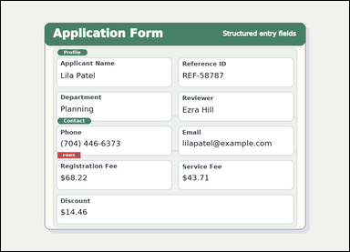 | task_documents_layout_section_membership_label | section_of_field_label | Look at the document in the image: a structured application form with visible section headers and labeled fields. Use the visible section headers and labeled fields to answer: Which section contains the field labeled Service Fee? Return the exact section title shown. Give the exact section title shown for the matching block. Return a valid JSON object with keys "evidence" and "answer" in that order. Evidence: set "evidence" to an array containing exactly one bounding box for the matching section header. Answer: set "answer" to the exact section title shown in the document. Example JSON: {"evidence":[[132,182,260,214]],"answer":"Billing Summary"} | Look at the document in the image: a structured application form with visible section headers and labeled fields. Use the visible section headers and labeled fields to answer: Which section contains the field labeled Service Fee? Return the exact section title shown. Give the exact section title shown for the matching block. Return a valid JSON object with key "answer". Answer: set "answer" to the exact section title shown in the document. Example JSON: {"answer":"Billing Summary"} | {"evidence": [[208.0, 556.0, 292.0, 578.0]], "answer": "Fees"} | [[208.0, 556.0, 292.0, 578.0]] | string | bbox_set | 7.6967295285E+15 | documents/task_documents_layout_section_membership_label/images/section_of_field_label/0020.png | documents/task_documents_layout_section_membership_label/data/section_of_field_label/0020.json
 |  | task_documents_layout_section_membership_label | section_of_field_label | Look at the document in the image: an invoice with visible named sections, labeled header fields, and summary blocks. Read the document and answer this question: Which section contains the field labeled Issue Date? Return the exact section title shown. Respond with the exact section title from the document. Return a valid JSON object with keys "evidence" and "answer" in that order. Evidence rule: set "evidence" to an array containing exactly one bounding box for the matching section header. Answer rule: set "answer" to the exact section title shown in the document. Example JSON: {"evidence":[[132,182,260,214]],"answer":"Billing Summary"} | Look at the document in the image: an invoice with visible named sections, labeled header fields, and summary blocks. Read the document and answer this question: Which section contains the field labeled Issue Date? Return the exact section title shown. Respond with the exact section title from the document. Return a valid JSON object with key "answer". Answer: set "answer" to the exact section title shown in the document. Example JSON: {"answer":"Billing Summary"} | {"evidence": [[204.0, 408.0, 302.0, 430.0]], "answer": "Dates"} | [[204.0, 408.0, 302.0, 430.0]] | string | bbox_set | 8.2737296442E+15 | documents/task_documents_layout_section_membership_label/images/section_of_field_label/0004.png | documents/task_documents_layout_section_membership_label/data/section_of_field_label/0004.json
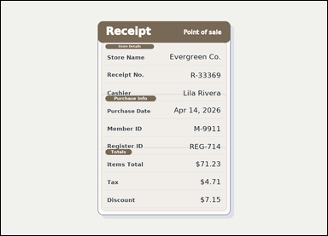 | 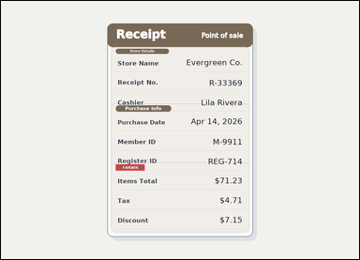 | task_documents_layout_section_membership_label | section_of_field_label | Read the named sections in this document: a receipt-style document with visible section headers and labeled totals rows. Find the correct section and then answer: Which section contains the field labeled Discount? Return the exact section title shown. Answer with the exact section title shown. Return a valid JSON object with keys "evidence" and "answer" in that order. Evidence: set "evidence" to an array containing exactly one bounding box for the matching section header. Answer: set "answer" to the exact section title shown in the document. Example JSON: {"evidence":[[132,182,260,214]],"answer":"Billing Summary"} | Read the named sections in this document: a receipt-style document with visible section headers and labeled totals rows. Find the correct section and then answer: Which section contains the field labeled Discount? Return the exact section title shown. Answer with the exact section title shown. Return a valid JSON object with key "answer". Answer format: set "answer" to the exact section title shown in the document. Example JSON: {"answer":"Billing Summary"} | {"evidence": [[410.0, 582.0, 513.0, 604.0]], "answer": "Totals"} | [[410.0, 582.0, 513.0, 604.0]] | string | bbox_set | 8.4274478021E+15 | documents/task_documents_layout_section_membership_label/images/section_of_field_label/0019.png | documents/task_documents_layout_section_membership_label/data/section_of_field_label/0019.json
 |  | task_documents_layout_section_membership_label | section_of_field_label | Use the structured document in the image: a structured application form with visible section headers and labeled fields. Read the document and answer this question: Which section contains the field labeled Service Fee? Return the exact section title shown. Return the exact section heading as written. Return a valid JSON object with keys "evidence" and "answer" in that order. Evidence requirement: set "evidence" to an array containing exactly one bounding box for the matching section header. Answer format: set "answer" to the exact section title shown in the document. Example JSON: {"evidence":[[132,182,260,214]],"answer":"Billing Summary"} | Use the structured document in the image: a structured application form with visible section headers and labeled fields. Read the document and answer this question: Which section contains the field labeled Service Fee? Return the exact section title shown. Return the exact section heading as written. Return a valid JSON object with key "answer". Answer: set "answer" to the exact section title shown in the document. Example JSON: {"answer":"Billing Summary"} | {"evidence": [[208.0, 556.0, 292.0, 578.0]], "answer": "Fees"} | [[208.0, 556.0, 292.0, 578.0]] | string | bbox_set | 8.8864574448E+15 | documents/task_documents_layout_section_membership_label/images/section_of_field_label/0006.png | documents/task_documents_layout_section_membership_label/data/section_of_field_label/0006.json
 |  | task_documents_layout_section_membership_label | section_of_field_label | Use the structured document in the image: a receipt-style document with visible section headers and labeled totals rows. Which section contains the field labeled Store Name? Return the exact section title shown. Return the exact section heading as written. Return a valid JSON object with keys "evidence" and "answer" in that order. Evidence format: set "evidence" to an array containing exactly one bounding box for the matching section header. Answer requirement: set "answer" to the exact section title shown in the document. Example JSON: {"evidence":[[132,182,260,214]],"answer":"Billing Summary"} | Use the structured document in the image: a receipt-style document with visible section headers and labeled totals rows. Which section contains the field labeled Store Name? Return the exact section title shown. Return the exact section heading as written. Return a valid JSON object with key "answer". Answer requirement: set "answer" to the exact section title shown in the document. Example JSON: {"answer":"Billing Summary"} | {"evidence": [[410.0, 169.5, 600.0, 187.5]], "answer": "Store Details"} | [[410.0, 169.5, 600.0, 187.5]] | string | bbox_set | 8.9740638247E+15 | documents/task_documents_layout_section_membership_label/images/section_of_field_label/0008.png | documents/task_documents_layout_section_membership_label/data/section_of_field_label/0008.json
 |  | task_documents_layout_section_membership_label | section_of_field_label | Look at the document in the image: a structured application form with visible section headers and labeled fields. Read the document and answer this question: Which section contains the field labeled Department? Return the exact section title shown. Return the exact section heading as written. Return a valid JSON object with keys "evidence" and "answer" in that order. Evidence: set "evidence" to an array containing exactly one bounding box for the matching section header. Answer: set "answer" to the exact section title shown in the document. Example JSON: {"evidence":[[132,182,260,214]],"answer":"Billing Summary"} | Look at the document in the image: a structured application form with visible section headers and labeled fields. Read the document and answer this question: Which section contains the field labeled Department? Return the exact section title shown. Return the exact section heading as written. Return a valid JSON object with key "answer". Answer rule: set "answer" to the exact section title shown in the document. Example JSON: {"answer":"Billing Summary"} | {"evidence": [[208.0, 178.0, 317.0, 200.0]], "answer": "Profile"} | [[208.0, 178.0, 317.0, 200.0]] | string | bbox_set | 8.9964689604E+15 | documents/task_documents_layout_section_membership_label/images/section_of_field_label/0017.png | documents/task_documents_layout_section_membership_label/data/section_of_field_label/0017.json

section_of_field_value
image | evidence_image | task | task_variant | prompt | prompt_answer_only | answer | answer_evidence | answer_type | evidence_type | instance_seed | image_path | data_path
 |  | task_documents_layout_section_membership_label | section_of_field_value | Look at the document in the image: an invoice with visible named sections, labeled header fields, and summary blocks. Find the correct section and then answer: Which section contains the value 2026-03-22? Return the exact section title shown. Answer using the exact section heading. Return a valid JSON object with keys "evidence" and "answer" in that order. Evidence requirement: set "evidence" to an array containing exactly one bounding box for the matching section header. Answer format: set "answer" to the exact section title shown in the document. Example JSON: {"evidence":[[132,182,260,214]],"answer":"Billing Summary"} | Look at the document in the image: an invoice with visible named sections, labeled header fields, and summary blocks. Find the correct section and then answer: Which section contains the value 2026-03-22? Return the exact section title shown. Answer using the exact section heading. Return a valid JSON object with key "answer". Answer requirement: set "answer" to the exact section title shown in the document. Example JSON: {"answer":"Billing Summary"} | {"evidence": [[204.0, 408.0, 302.0, 430.0]], "answer": "Dates"} | [[204.0, 408.0, 302.0, 430.0]] | string | bbox_set | 418969250602585 | documents/task_documents_layout_section_membership_label/images/section_of_field_value/0018.png | documents/task_documents_layout_section_membership_label/data/section_of_field_value/0018.json
 |  | task_documents_layout_section_membership_label | section_of_field_value | Read the named sections in this document: a structured application form with visible section headers and labeled fields. Find the correct section and then answer: Which section contains the value REF-32749? Return the exact section title shown. Respond with the exact section title from the document. Return a valid JSON object with keys "evidence" and "answer" in that order. Evidence: set "evidence" to an array containing exactly one bounding box for the matching section header. Answer: set "answer" to the exact section title shown in the document. Example JSON: {"evidence":[[132,182,260,214]],"answer":"Billing Summary"} | Read the named sections in this document: a structured application form with visible section headers and labeled fields. Find the correct section and then answer: Which section contains the value REF-32749? Return the exact section title shown. Respond with the exact section title from the document. Return a valid JSON object with key "answer". Answer requirement: set "answer" to the exact section title shown in the document. Example JSON: {"answer":"Billing Summary"} | {"evidence": [[208.0, 178.0, 317.0, 200.0]], "answer": "Profile"} | [[208.0, 178.0, 317.0, 200.0]] | string | bbox_set | 643977290188445 | documents/task_documents_layout_section_membership_label/images/section_of_field_value/0017.png | documents/task_documents_layout_section_membership_label/data/section_of_field_value/0017.json
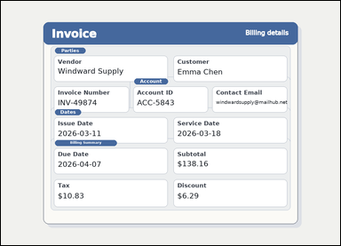 | 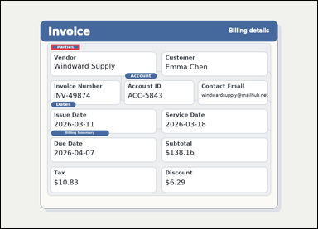 | task_documents_layout_section_membership_label | section_of_field_value | Use the structured document in the image: an invoice with visible named sections, labeled header fields, and summary blocks. Read the document and answer this question: Which section contains the value Emma Chen? Return the exact section title shown. Give the exact section title shown for the matching block. Return a valid JSON object with keys "evidence" and "answer" in that order. Evidence requirement: set "evidence" to an array containing exactly one bounding box for the matching section header. Answer format: set "answer" to the exact section title shown in the document. Example JSON: {"evidence":[[132,182,260,214]],"answer":"Billing Summary"} | Use the structured document in the image: an invoice with visible named sections, labeled header fields, and summary blocks. Read the document and answer this question: Which section contains the value Emma Chen? Return the exact section title shown. Give the exact section title shown for the matching block. Return a valid JSON object with key "answer". Answer rule: set "answer" to the exact section title shown in the document. Example JSON: {"answer":"Billing Summary"} | {"evidence": [[204.0, 176.0, 319.0, 198.0]], "answer": "Parties"} | [[204.0, 176.0, 319.0, 198.0]] | string | bbox_set | 1.3218159425E+15 | documents/task_documents_layout_section_membership_label/images/section_of_field_value/0011.png | documents/task_documents_layout_section_membership_label/data/section_of_field_value/0011.json
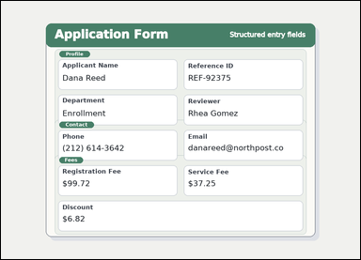 | 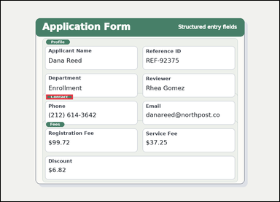 | task_documents_layout_section_membership_label | section_of_field_value | The image shows a structured application form with visible section headers and labeled fields. Find the correct section and then answer: Which section contains the value (212) 614-3642? Return the exact section title shown. Answer using the exact section heading. Return a valid JSON object with keys "evidence" and "answer" in that order. Evidence rule: set "evidence" to an array containing exactly one bounding box for the matching section header. Answer rule: set "answer" to the exact section title shown in the document. Example JSON: {"evidence":[[132,182,260,214]],"answer":"Billing Summary"} | The image shows a structured application form with visible section headers and labeled fields. Find the correct section and then answer: Which section contains the value (212) 614-3642? Return the exact section title shown. Answer using the exact section heading. Return a valid JSON object with key "answer". Answer requirement: set "answer" to the exact section title shown in the document. Example JSON: {"answer":"Billing Summary"} | {"evidence": [[208.0, 430.0, 331.0, 452.0]], "answer": "Contact"} | [[208.0, 430.0, 331.0, 452.0]] | string | bbox_set | 1.5140070124E+15 | documents/task_documents_layout_section_membership_label/images/section_of_field_value/0012.png | documents/task_documents_layout_section_membership_label/data/section_of_field_value/0012.json
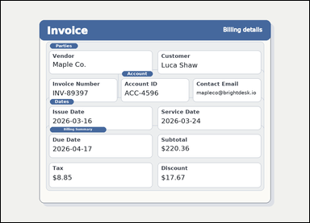 | 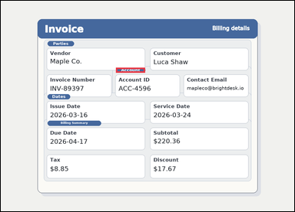 | task_documents_layout_section_membership_label | section_of_field_value | You are given an invoice with visible named sections, labeled header fields, and summary blocks. Locate the relevant section before answering: Which section contains the value mapleco@brightdesk.io? Return the exact section title shown. Answer using the exact section heading. Return a valid JSON object with keys "evidence" and "answer" in that order. Evidence field: set "evidence" to an array containing exactly one bounding box for the matching section header. Answer field: set "answer" to the exact section title shown in the document. Example JSON: {"evidence":[[132,182,260,214]],"answer":"Billing Summary"} | You are given an invoice with visible named sections, labeled header fields, and summary blocks. Locate the relevant section before answering: Which section contains the value mapleco@brightdesk.io? Return the exact section title shown. Answer using the exact section heading. Return a valid JSON object with key "answer". Answer format: set "answer" to the exact section title shown in the document. Example JSON: {"answer":"Billing Summary"} | {"evidence": [[502.667, 292.0, 629.667, 314.0]], "answer": "Account"} | [[502.667, 292.0, 629.667, 314.0]] | string | bbox_set | 2.204992247E+15 | documents/task_documents_layout_section_membership_label/images/section_of_field_value/0001.png | documents/task_documents_layout_section_membership_label/data/section_of_field_value/0001.json
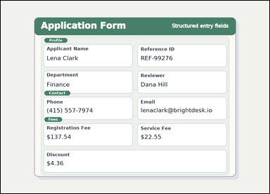 | 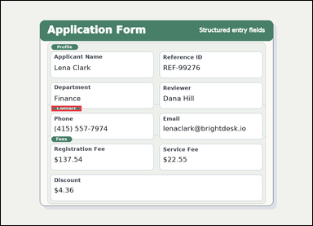 | task_documents_layout_section_membership_label | section_of_field_value | Read the named sections in this document: a structured application form with visible section headers and labeled fields. Locate the relevant section before answering: Which section contains the value lenaclark@brightdesk.io? Return the exact section title shown. Respond with the exact section title from the document. Return a valid JSON object with keys "evidence" and "answer" in that order. Evidence field: set "evidence" to an array containing exactly one bounding box for the matching section header. Answer field: set "answer" to the exact section title shown in the document. Example JSON: {"evidence":[[132,182,260,214]],"answer":"Billing Summary"} | Read the named sections in this document: a structured application form with visible section headers and labeled fields. Locate the relevant section before answering: Which section contains the value lenaclark@brightdesk.io? Return the exact section title shown. Respond with the exact section title from the document. Return a valid JSON object with key "answer". Answer: set "answer" to the exact section title shown in the document. Example JSON: {"answer":"Billing Summary"} | {"evidence": [[208.0, 430.0, 331.0, 452.0]], "answer": "Contact"} | [[208.0, 430.0, 331.0, 452.0]] | string | bbox_set | 2.4911892988E+15 | documents/task_documents_layout_section_membership_label/images/section_of_field_value/0016.png | documents/task_documents_layout_section_membership_label/data/section_of_field_value/0016.json
 |  | task_documents_layout_section_membership_label | section_of_field_value | Look at the document in the image: an invoice with visible named sections, labeled header fields, and summary blocks. Read the document and answer this question: Which section contains the value $5.79? Return the exact section title shown. Answer using the exact section heading. Return a valid JSON object with keys "evidence" and "answer" in that order. Evidence format: set "evidence" to an array containing exactly one bounding box for the matching section header. Answer requirement: set "answer" to the exact section title shown in the document. Example JSON: {"evidence":[[132,182,260,214]],"answer":"Billing Summary"} | Look at the document in the image: an invoice with visible named sections, labeled header fields, and summary blocks. Read the document and answer this question: Which section contains the value $5.79? Return the exact section title shown. Answer using the exact section heading. Return a valid JSON object with key "answer". Answer rule: set "answer" to the exact section title shown in the document. Example JSON: {"answer":"Billing Summary"} | {"evidence": [[204.0, 524.0, 437.0, 546.0]], "answer": "Billing Summary"} | [[204.0, 524.0, 437.0, 546.0]] | string | bbox_set | 2.5411109115E+15 | documents/task_documents_layout_section_membership_label/images/section_of_field_value/0019.png | documents/task_documents_layout_section_membership_label/data/section_of_field_value/0019.json
 | 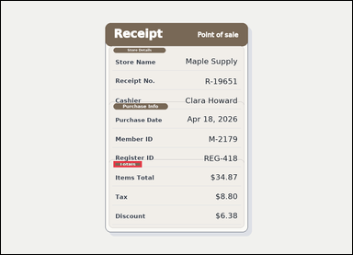 | task_documents_layout_section_membership_label | section_of_field_value | You are given a receipt-style document with visible section headers and labeled totals rows. Find the correct section and then answer: Which section contains the value $34.87? Return the exact section title shown. Answer with the exact section title shown. Return a valid JSON object with keys "evidence" and "answer" in that order. Evidence format: set "evidence" to an array containing exactly one bounding box for the matching section header. Answer requirement: set "answer" to the exact section title shown in the document. Example JSON: {"evidence":[[132,182,260,214]],"answer":"Billing Summary"} | You are given a receipt-style document with visible section headers and labeled totals rows. Find the correct section and then answer: Which section contains the value $34.87? Return the exact section title shown. Answer with the exact section title shown. Return a valid JSON object with key "answer". Answer format: set "answer" to the exact section title shown in the document. Example JSON: {"answer":"Billing Summary"} | {"evidence": [[410.0, 582.0, 513.0, 604.0]], "answer": "Totals"} | [[410.0, 582.0, 513.0, 604.0]] | string | bbox_set | 2.7572555575E+15 | documents/task_documents_layout_section_membership_label/images/section_of_field_value/0022.png | documents/task_documents_layout_section_membership_label/data/section_of_field_value/0022.json
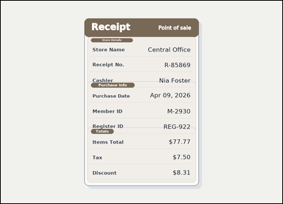 | 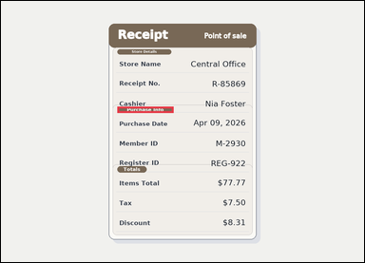 | task_documents_layout_section_membership_label | section_of_field_value | Use the structured document in the image: a receipt-style document with visible section headers and labeled totals rows. Which section contains the value Apr 09, 2026? Return the exact section title shown. Respond with the exact section title from the document. Return a valid JSON object with keys "evidence" and "answer" in that order. Evidence rule: set "evidence" to an array containing exactly one bounding box for the matching section header. Answer rule: set "answer" to the exact section title shown in the document. Example JSON: {"evidence":[[132,182,260,214]],"answer":"Billing Summary"} | Use the structured document in the image: a receipt-style document with visible section headers and labeled totals rows. Which section contains the value Apr 09, 2026? Return the exact section title shown. Respond with the exact section title from the document. Return a valid JSON object with key "answer". Answer rule: set "answer" to the exact section title shown in the document. Example JSON: {"answer":"Billing Summary"} | {"evidence": [[410.0, 372.0, 608.0, 394.0]], "answer": "Purchase Info"} | [[410.0, 372.0, 608.0, 394.0]] | string | bbox_set | 2.9373805041E+15 | documents/task_documents_layout_section_membership_label/images/section_of_field_value/0009.png | documents/task_documents_layout_section_membership_label/data/section_of_field_value/0009.json
 | 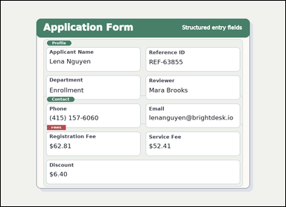 | task_documents_layout_section_membership_label | section_of_field_value | Look at the document in the image: a structured application form with visible section headers and labeled fields. Use the visible section headers and labeled fields to answer: Which section contains the value $62.81? Return the exact section title shown. Answer using the exact section heading. Return a valid JSON object with keys "evidence" and "answer" in that order. Evidence: set "evidence" to an array containing exactly one bounding box for the matching section header. Answer: set "answer" to the exact section title shown in the document. Example JSON: {"evidence":[[132,182,260,214]],"answer":"Billing Summary"} | Look at the document in the image: a structured application form with visible section headers and labeled fields. Use the visible section headers and labeled fields to answer: Which section contains the value $62.81? Return the exact section title shown. Answer using the exact section heading. Return a valid JSON object with key "answer". Answer field: set "answer" to the exact section title shown in the document. Example JSON: {"answer":"Billing Summary"} | {"evidence": [[208.0, 556.0, 292.0, 578.0]], "answer": "Fees"} | [[208.0, 556.0, 292.0, 578.0]] | string | bbox_set | 3.0221326592E+15 | documents/task_documents_layout_section_membership_label/images/section_of_field_value/0010.png | documents/task_documents_layout_section_membership_label/data/section_of_field_value/0010.json
 | 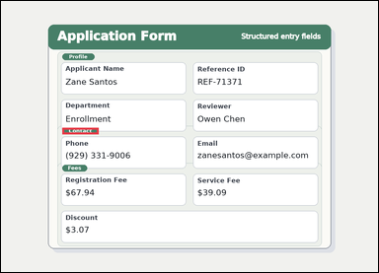 | task_documents_layout_section_membership_label | section_of_field_value | The image shows a structured application form with visible section headers and labeled fields. Read the document and answer this question: Which section contains the value zanesantos@example.com? Return the exact section title shown. Answer with the exact section title shown. Return a valid JSON object with keys "evidence" and "answer" in that order. Evidence: set "evidence" to an array containing exactly one bounding box for the matching section header. Answer: set "answer" to the exact section title shown in the document. Example JSON: {"evidence":[[132,182,260,214]],"answer":"Billing Summary"} | The image shows a structured application form with visible section headers and labeled fields. Read the document and answer this question: Which section contains the value zanesantos@example.com? Return the exact section title shown. Answer with the exact section title shown. Return a valid JSON object with key "answer". Answer format: set "answer" to the exact section title shown in the document. Example JSON: {"answer":"Billing Summary"} | {"evidence": [[208.0, 430.0, 331.0, 452.0]], "answer": "Contact"} | [[208.0, 430.0, 331.0, 452.0]] | string | bbox_set | 3.3936320491E+15 | documents/task_documents_layout_section_membership_label/images/section_of_field_value/0008.png | documents/task_documents_layout_section_membership_label/data/section_of_field_value/0008.json
 |  | task_documents_layout_section_membership_label | section_of_field_value | The image shows an invoice with visible named sections, labeled header fields, and summary blocks. Locate the relevant section before answering: Which section contains the value Windward Co.? Return the exact section title shown. Respond with the exact section title from the document. Return a valid JSON object with keys "evidence" and "answer" in that order. Evidence rule: set "evidence" to an array containing exactly one bounding box for the matching section header. Answer rule: set "answer" to the exact section title shown in the document. Example JSON: {"evidence":[[132,182,260,214]],"answer":"Billing Summary"} | The image shows an invoice with visible named sections, labeled header fields, and summary blocks. Locate the relevant section before answering: Which section contains the value Windward Co.? Return the exact section title shown. Respond with the exact section title from the document. Return a valid JSON object with key "answer". Answer field: set "answer" to the exact section title shown in the document. Example JSON: {"answer":"Billing Summary"} | {"evidence": [[204.0, 176.0, 319.0, 198.0]], "answer": "Parties"} | [[204.0, 176.0, 319.0, 198.0]] | string | bbox_set | 3.457031231E+15 | documents/task_documents_layout_section_membership_label/images/section_of_field_value/0002.png | documents/task_documents_layout_section_membership_label/data/section_of_field_value/0002.json
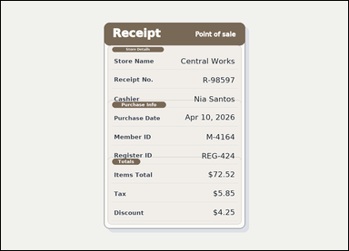 | 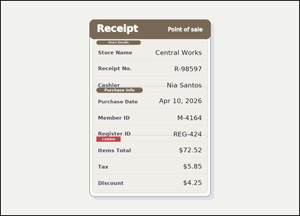 | task_documents_layout_section_membership_label | section_of_field_value | Look at the document in the image: a receipt-style document with visible section headers and labeled totals rows. Find the correct section and then answer: Which section contains the value $5.85? Return the exact section title shown. Return the exact section heading as written. Return a valid JSON object with keys "evidence" and "answer" in that order. Evidence format: set "evidence" to an array containing exactly one bounding box for the matching section header. Answer requirement: set "answer" to the exact section title shown in the document. Example JSON: {"evidence":[[132,182,260,214]],"answer":"Billing Summary"} | Look at the document in the image: a receipt-style document with visible section headers and labeled totals rows. Find the correct section and then answer: Which section contains the value $5.85? Return the exact section title shown. Return the exact section heading as written. Return a valid JSON object with key "answer". Answer rule: set "answer" to the exact section title shown in the document. Example JSON: {"answer":"Billing Summary"} | {"evidence": [[410.0, 582.0, 513.0, 604.0]], "answer": "Totals"} | [[410.0, 582.0, 513.0, 604.0]] | string | bbox_set | 4.8175847408E+15 | documents/task_documents_layout_section_membership_label/images/section_of_field_value/0007.png | documents/task_documents_layout_section_membership_label/data/section_of_field_value/0007.json
 |  | task_documents_layout_section_membership_label | section_of_field_value | You are given an invoice with visible named sections, labeled header fields, and summary blocks. Read the document and answer this question: Which section contains the value Juniper Office? Return the exact section title shown. Give the exact section title shown for the matching block. Return a valid JSON object with keys "evidence" and "answer" in that order. Evidence rule: set "evidence" to an array containing exactly one bounding box for the matching section header. Answer rule: set "answer" to the exact section title shown in the document. Example JSON: {"evidence":[[132,182,260,214]],"answer":"Billing Summary"} | You are given an invoice with visible named sections, labeled header fields, and summary blocks. Read the document and answer this question: Which section contains the value Juniper Office? Return the exact section title shown. Give the exact section title shown for the matching block. Return a valid JSON object with key "answer". Answer requirement: set "answer" to the exact section title shown in the document. Example JSON: {"answer":"Billing Summary"} | {"evidence": [[204.0, 176.0, 319.0, 198.0]], "answer": "Parties"} | [[204.0, 176.0, 319.0, 198.0]] | string | bbox_set | 4.9558096617E+15 | documents/task_documents_layout_section_membership_label/images/section_of_field_value/0000.png | documents/task_documents_layout_section_membership_label/data/section_of_field_value/0000.json
 |  | task_documents_layout_section_membership_label | section_of_field_value | Use the structured document in the image: an invoice with visible named sections, labeled header fields, and summary blocks. Find the correct section and then answer: Which section contains the value $14.70? Return the exact section title shown. Respond with the exact section title from the document. Return a valid JSON object with keys "evidence" and "answer" in that order. Evidence format: set "evidence" to an array containing exactly one bounding box for the matching section header. Answer requirement: set "answer" to the exact section title shown in the document. Example JSON: {"evidence":[[132,182,260,214]],"answer":"Billing Summary"} | Use the structured document in the image: an invoice with visible named sections, labeled header fields, and summary blocks. Find the correct section and then answer: Which section contains the value $14.70? Return the exact section title shown. Respond with the exact section title from the document. Return a valid JSON object with key "answer". Answer: set "answer" to the exact section title shown in the document. Example JSON: {"answer":"Billing Summary"} | {"evidence": [[204.0, 524.0, 437.0, 546.0]], "answer": "Billing Summary"} | [[204.0, 524.0, 437.0, 546.0]] | string | bbox_set | 6.293828531E+15 | documents/task_documents_layout_section_membership_label/images/section_of_field_value/0021.png | documents/task_documents_layout_section_membership_label/data/section_of_field_value/0021.json
 |  | task_documents_layout_section_membership_label | section_of_field_value | You are given a structured application form with visible section headers and labeled fields. Find the correct section and then answer: Which section contains the value Mara Howard? Return the exact section title shown. Answer with the exact section title shown. Return a valid JSON object with keys "evidence" and "answer" in that order. Evidence format: set "evidence" to an array containing exactly one bounding box for the matching section header. Answer requirement: set "answer" to the exact section title shown in the document. Example JSON: {"evidence":[[132,182,260,214]],"answer":"Billing Summary"} | You are given a structured application form with visible section headers and labeled fields. Find the correct section and then answer: Which section contains the value Mara Howard? Return the exact section title shown. Answer with the exact section title shown. Return a valid JSON object with key "answer". Answer: set "answer" to the exact section title shown in the document. Example JSON: {"answer":"Billing Summary"} | {"evidence": [[208.0, 178.0, 317.0, 200.0]], "answer": "Profile"} | [[208.0, 178.0, 317.0, 200.0]] | string | bbox_set | 6.3624896012E+15 | documents/task_documents_layout_section_membership_label/images/section_of_field_value/0024.png | documents/task_documents_layout_section_membership_label/data/section_of_field_value/0024.json
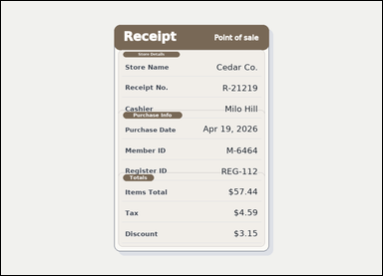 | 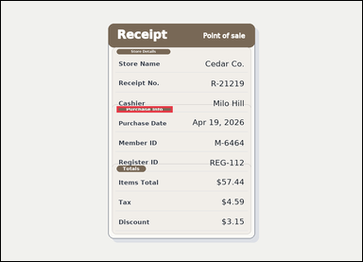 | task_documents_layout_section_membership_label | section_of_field_value | Look at the document in the image: a receipt-style document with visible section headers and labeled totals rows. Use the visible section headers and labeled fields to answer: Which section contains the value Apr 19, 2026? Return the exact section title shown. Answer using the exact section heading. Return a valid JSON object with keys "evidence" and "answer" in that order. Evidence: set "evidence" to an array containing exactly one bounding box for the matching section header. Answer: set "answer" to the exact section title shown in the document. Example JSON: {"evidence":[[132,182,260,214]],"answer":"Billing Summary"} | Look at the document in the image: a receipt-style document with visible section headers and labeled totals rows. Use the visible section headers and labeled fields to answer: Which section contains the value Apr 19, 2026? Return the exact section title shown. Answer using the exact section heading. Return a valid JSON object with key "answer". Answer rule: set "answer" to the exact section title shown in the document. Example JSON: {"answer":"Billing Summary"} | {"evidence": [[410.0, 372.0, 608.0, 394.0]], "answer": "Purchase Info"} | [[410.0, 372.0, 608.0, 394.0]] | string | bbox_set | 6.3999053449E+15 | documents/task_documents_layout_section_membership_label/images/section_of_field_value/0013.png | documents/task_documents_layout_section_membership_label/data/section_of_field_value/0013.json
 |  | task_documents_layout_section_membership_label | section_of_field_value | You are given a structured application form with visible section headers and labeled fields. Find the correct section and then answer: Which section contains the value $4.21? Return the exact section title shown. Respond with the exact section title from the document. Return a valid JSON object with keys "evidence" and "answer" in that order. Evidence: set "evidence" to an array containing exactly one bounding box for the matching section header. Answer: set "answer" to the exact section title shown in the document. Example JSON: {"evidence":[[132,182,260,214]],"answer":"Billing Summary"} | You are given a structured application form with visible section headers and labeled fields. Find the correct section and then answer: Which section contains the value $4.21? Return the exact section title shown. Respond with the exact section title from the document. Return a valid JSON object with key "answer". Answer requirement: set "answer" to the exact section title shown in the document. Example JSON: {"answer":"Billing Summary"} | {"evidence": [[208.0, 556.0, 292.0, 578.0]], "answer": "Fees"} | [[208.0, 556.0, 292.0, 578.0]] | string | bbox_set | 6.4291100808E+15 | documents/task_documents_layout_section_membership_label/images/section_of_field_value/0006.png | documents/task_documents_layout_section_membership_label/data/section_of_field_value/0006.json
 | 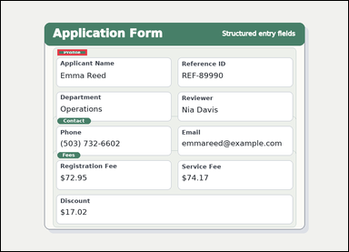 | task_documents_layout_section_membership_label | section_of_field_value | Use the structured document in the image: a structured application form with visible section headers and labeled fields. Read the document and answer this question: Which section contains the value Emma Reed? Return the exact section title shown. Answer using the exact section heading. Return a valid JSON object with keys "evidence" and "answer" in that order. Evidence field: set "evidence" to an array containing exactly one bounding box for the matching section header. Answer field: set "answer" to the exact section title shown in the document. Example JSON: {"evidence":[[132,182,260,214]],"answer":"Billing Summary"} | Use the structured document in the image: a structured application form with visible section headers and labeled fields. Read the document and answer this question: Which section contains the value Emma Reed? Return the exact section title shown. Answer using the exact section heading. Return a valid JSON object with key "answer". Answer field: set "answer" to the exact section title shown in the document. Example JSON: {"answer":"Billing Summary"} | {"evidence": [[208.0, 178.0, 317.0, 200.0]], "answer": "Profile"} | [[208.0, 178.0, 317.0, 200.0]] | string | bbox_set | 6.5053642176E+15 | documents/task_documents_layout_section_membership_label/images/section_of_field_value/0020.png | documents/task_documents_layout_section_membership_label/data/section_of_field_value/0020.json
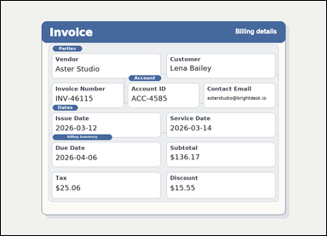 |  | task_documents_layout_section_membership_label | section_of_field_value | Read the named sections in this document: an invoice with visible named sections, labeled header fields, and summary blocks. Find the correct section and then answer: Which section contains the value Lena Bailey? Return the exact section title shown. Respond with the exact section title from the document. Return a valid JSON object with keys "evidence" and "answer" in that order. Evidence field: set "evidence" to an array containing exactly one bounding box for the matching section header. Answer field: set "answer" to the exact section title shown in the document. Example JSON: {"evidence":[[132,182,260,214]],"answer":"Billing Summary"} | Read the named sections in this document: an invoice with visible named sections, labeled header fields, and summary blocks. Find the correct section and then answer: Which section contains the value Lena Bailey? Return the exact section title shown. Respond with the exact section title from the document. Return a valid JSON object with key "answer". Answer format: set "answer" to the exact section title shown in the document. Example JSON: {"answer":"Billing Summary"} | {"evidence": [[204.0, 176.0, 319.0, 198.0]], "answer": "Parties"} | [[204.0, 176.0, 319.0, 198.0]] | string | bbox_set | 7.2038410965E+15 | documents/task_documents_layout_section_membership_label/images/section_of_field_value/0014.png | documents/task_documents_layout_section_membership_label/data/section_of_field_value/0014.json
 |  | task_documents_layout_section_membership_label | section_of_field_value | Use the structured document in the image: an invoice with visible named sections, labeled header fields, and summary blocks. Use the visible section headers and labeled fields to answer: Which section contains the value INV-68209? Return the exact section title shown. Give the exact section title shown for the matching block. Return a valid JSON object with keys "evidence" and "answer" in that order. Evidence requirement: set "evidence" to an array containing exactly one bounding box for the matching section header. Answer format: set "answer" to the exact section title shown in the document. Example JSON: {"evidence":[[132,182,260,214]],"answer":"Billing Summary"} | Use the structured document in the image: an invoice with visible named sections, labeled header fields, and summary blocks. Use the visible section headers and labeled fields to answer: Which section contains the value INV-68209? Return the exact section title shown. Give the exact section title shown for the matching block. Return a valid JSON object with key "answer". Answer requirement: set "answer" to the exact section title shown in the document. Example JSON: {"answer":"Billing Summary"} | {"evidence": [[204.0, 176.0, 319.0, 198.0]], "answer": "Parties"} | [[204.0, 176.0, 319.0, 198.0]] | string | bbox_set | 7.8825905023E+15 | documents/task_documents_layout_section_membership_label/images/section_of_field_value/0015.png | documents/task_documents_layout_section_membership_label/data/section_of_field_value/0015.json
 |  | task_documents_layout_section_membership_label | section_of_field_value | Read the named sections in this document: a structured application form with visible section headers and labeled fields. Use the visible section headers and labeled fields to answer: Which section contains the value Emma Price? Return the exact section title shown. Give the exact section title shown for the matching block. Return a valid JSON object with keys "evidence" and "answer" in that order. Evidence rule: set "evidence" to an array containing exactly one bounding box for the matching section header. Answer rule: set "answer" to the exact section title shown in the document. Example JSON: {"evidence":[[132,182,260,214]],"answer":"Billing Summary"} | Read the named sections in this document: a structured application form with visible section headers and labeled fields. Use the visible section headers and labeled fields to answer: Which section contains the value Emma Price? Return the exact section title shown. Give the exact section title shown for the matching block. Return a valid JSON object with key "answer". Answer requirement: set "answer" to the exact section title shown in the document. Example JSON: {"answer":"Billing Summary"} | {"evidence": [[208.0, 178.0, 317.0, 200.0]], "answer": "Profile"} | [[208.0, 178.0, 317.0, 200.0]] | string | bbox_set | 7.9223214843E+15 | documents/task_documents_layout_section_membership_label/images/section_of_field_value/0003.png | documents/task_documents_layout_section_membership_label/data/section_of_field_value/0003.json
 |  | task_documents_layout_section_membership_label | section_of_field_value | Read the named sections in this document: an invoice with visible named sections, labeled header fields, and summary blocks. Locate the relevant section before answering: Which section contains the value $16.02? Return the exact section title shown. Answer with the exact section title shown. Return a valid JSON object with keys "evidence" and "answer" in that order. Evidence field: set "evidence" to an array containing exactly one bounding box for the matching section header. Answer field: set "answer" to the exact section title shown in the document. Example JSON: {"evidence":[[132,182,260,214]],"answer":"Billing Summary"} | Read the named sections in this document: an invoice with visible named sections, labeled header fields, and summary blocks. Locate the relevant section before answering: Which section contains the value $16.02? Return the exact section title shown. Answer with the exact section title shown. Return a valid JSON object with key "answer". Answer rule: set "answer" to the exact section title shown in the document. Example JSON: {"answer":"Billing Summary"} | {"evidence": [[204.0, 524.0, 437.0, 546.0]], "answer": "Billing Summary"} | [[204.0, 524.0, 437.0, 546.0]] | string | bbox_set | 8.3260511225E+15 | documents/task_documents_layout_section_membership_label/images/section_of_field_value/0005.png | documents/task_documents_layout_section_membership_label/data/section_of_field_value/0005.json
 |  | task_documents_layout_section_membership_label | section_of_field_value | Look at the document in the image: an invoice with visible named sections, labeled header fields, and summary blocks. Use the visible section headers and labeled fields to answer: Which section contains the value $295.85? Return the exact section title shown. Answer with the exact section title shown. Return a valid JSON object with keys "evidence" and "answer" in that order. Evidence requirement: set "evidence" to an array containing exactly one bounding box for the matching section header. Answer format: set "answer" to the exact section title shown in the document. Example JSON: {"evidence":[[132,182,260,214]],"answer":"Billing Summary"} | Look at the document in the image: an invoice with visible named sections, labeled header fields, and summary blocks. Use the visible section headers and labeled fields to answer: Which section contains the value $295.85? Return the exact section title shown. Answer with the exact section title shown. Return a valid JSON object with key "answer". Answer format: set "answer" to the exact section title shown in the document. Example JSON: {"answer":"Billing Summary"} | {"evidence": [[204.0, 524.0, 437.0, 546.0]], "answer": "Billing Summary"} | [[204.0, 524.0, 437.0, 546.0]] | string | bbox_set | 8.428799049E+15 | documents/task_documents_layout_section_membership_label/images/section_of_field_value/0023.png | documents/task_documents_layout_section_membership_label/data/section_of_field_value/0023.json
 |  | task_documents_layout_section_membership_label | section_of_field_value | Look at the document in the image: a receipt-style document with visible section headers and labeled totals rows. Which section contains the value $6.27? Return the exact section title shown. Respond with the exact section title from the document. Return a valid JSON object with keys "evidence" and "answer" in that order. Evidence: set "evidence" to an array containing exactly one bounding box for the matching section header. Answer: set "answer" to the exact section title shown in the document. Example JSON: {"evidence":[[132,182,260,214]],"answer":"Billing Summary"} | Look at the document in the image: a receipt-style document with visible section headers and labeled totals rows. Which section contains the value $6.27? Return the exact section title shown. Respond with the exact section title from the document. Return a valid JSON object with key "answer". Answer: set "answer" to the exact section title shown in the document. Example JSON: {"answer":"Billing Summary"} | {"evidence": [[410.0, 582.0, 513.0, 604.0]], "answer": "Totals"} | [[410.0, 582.0, 513.0, 604.0]] | string | bbox_set | 8.8032910017E+15 | documents/task_documents_layout_section_membership_label/images/section_of_field_value/0004.png | documents/task_documents_layout_section_membership_label/data/section_of_field_value/0004.json

section_of_label_value_pair
image | evidence_image | task | task_variant | prompt | prompt_answer_only | answer | answer_evidence | answer_type | evidence_type | instance_seed | image_path | data_path
 |  | task_documents_layout_section_membership_label | section_of_label_value_pair | The image shows an invoice with visible named sections, labeled header fields, and summary blocks. Use the visible section headers and labeled fields to answer: Which section contains the field labeled Vendor with value Pinecrest Partners? Return the exact section title shown. Answer using the exact section heading. Return a valid JSON object with keys "evidence" and "answer" in that order. Evidence: set "evidence" to an array containing exactly one bounding box for the matching section header. Answer: set "answer" to the exact section title shown in the document. Example JSON: {"evidence":[[132,182,260,214]],"answer":"Billing Summary"} | The image shows an invoice with visible named sections, labeled header fields, and summary blocks. Use the visible section headers and labeled fields to answer: Which section contains the field labeled Vendor with value Pinecrest Partners? Return the exact section title shown. Answer using the exact section heading. Return a valid JSON object with key "answer". Answer: set "answer" to the exact section title shown in the document. Example JSON: {"answer":"Billing Summary"} | {"evidence": [[204.0, 176.0, 319.0, 198.0]], "answer": "Parties"} | [[204.0, 176.0, 319.0, 198.0]] | string | bbox_set | 2.0162275103E+15 | documents/task_documents_layout_section_membership_label/images/section_of_label_value_pair/0008.png | documents/task_documents_layout_section_membership_label/data/section_of_label_value_pair/0008.json
 |  | task_documents_layout_section_membership_label | section_of_label_value_pair | Read the named sections in this document: a receipt-style document with visible section headers and labeled totals rows. Locate the relevant section before answering: Which section contains the field labeled Member ID with value M-9338? Return the exact section title shown. Respond with the exact section title from the document. Return a valid JSON object with keys "evidence" and "answer" in that order. Evidence format: set "evidence" to an array containing exactly one bounding box for the matching section header. Answer requirement: set "answer" to the exact section title shown in the document. Example JSON: {"evidence":[[132,182,260,214]],"answer":"Billing Summary"} | Read the named sections in this document: a receipt-style document with visible section headers and labeled totals rows. Locate the relevant section before answering: Which section contains the field labeled Member ID with value M-9338? Return the exact section title shown. Respond with the exact section title from the document. Return a valid JSON object with key "answer". Answer: set "answer" to the exact section title shown in the document. Example JSON: {"answer":"Billing Summary"} | {"evidence": [[410.0, 372.0, 608.0, 394.0]], "answer": "Purchase Info"} | [[410.0, 372.0, 608.0, 394.0]] | string | bbox_set | 2.9278053929E+15 | documents/task_documents_layout_section_membership_label/images/section_of_label_value_pair/0013.png | documents/task_documents_layout_section_membership_label/data/section_of_label_value_pair/0013.json
 |  | task_documents_layout_section_membership_label | section_of_label_value_pair | The image shows a receipt-style document with visible section headers and labeled totals rows. Use the visible section headers and labeled fields to answer: Which section contains the field labeled Member ID with value M-5358? Return the exact section title shown. Give the exact section title shown for the matching block. Return a valid JSON object with keys "evidence" and "answer" in that order. Evidence field: set "evidence" to an array containing exactly one bounding box for the matching section header. Answer field: set "answer" to the exact section title shown in the document. Example JSON: {"evidence":[[132,182,260,214]],"answer":"Billing Summary"} | The image shows a receipt-style document with visible section headers and labeled totals rows. Use the visible section headers and labeled fields to answer: Which section contains the field labeled Member ID with value M-5358? Return the exact section title shown. Give the exact section title shown for the matching block. Return a valid JSON object with key "answer". Answer format: set "answer" to the exact section title shown in the document. Example JSON: {"answer":"Billing Summary"} | {"evidence": [[410.0, 372.0, 608.0, 394.0]], "answer": "Purchase Info"} | [[410.0, 372.0, 608.0, 394.0]] | string | bbox_set | 3.0380356827E+15 | documents/task_documents_layout_section_membership_label/images/section_of_label_value_pair/0006.png | documents/task_documents_layout_section_membership_label/data/section_of_label_value_pair/0006.json
 |  | task_documents_layout_section_membership_label | section_of_label_value_pair | The image shows a receipt-style document with visible section headers and labeled totals rows. Locate the relevant section before answering: Which section contains the field labeled Store Name with value Pinecrest Studio? Return the exact section title shown. Give the exact section title shown for the matching block. Return a valid JSON object with keys "evidence" and "answer" in that order. Evidence format: set "evidence" to an array containing exactly one bounding box for the matching section header. Answer requirement: set "answer" to the exact section title shown in the document. Example JSON: {"evidence":[[132,182,260,214]],"answer":"Billing Summary"} | The image shows a receipt-style document with visible section headers and labeled totals rows. Locate the relevant section before answering: Which section contains the field labeled Store Name with value Pinecrest Studio? Return the exact section title shown. Give the exact section title shown for the matching block. Return a valid JSON object with key "answer". Answer format: set "answer" to the exact section title shown in the document. Example JSON: {"answer":"Billing Summary"} | {"evidence": [[410.0, 169.5, 600.0, 187.5]], "answer": "Store Details"} | [[410.0, 169.5, 600.0, 187.5]] | string | bbox_set | 3.2943090811E+15 | documents/task_documents_layout_section_membership_label/images/section_of_label_value_pair/0009.png | documents/task_documents_layout_section_membership_label/data/section_of_label_value_pair/0009.json
 |  | task_documents_layout_section_membership_label | section_of_label_value_pair | Look at the document in the image: a structured application form with visible section headers and labeled fields. Locate the relevant section before answering: Which section contains the field labeled Registration Fee with value $131.02? Return the exact section title shown. Give the exact section title shown for the matching block. Return a valid JSON object with keys "evidence" and "answer" in that order. Evidence format: set "evidence" to an array containing exactly one bounding box for the matching section header. Answer requirement: set "answer" to the exact section title shown in the document. Example JSON: {"evidence":[[132,182,260,214]],"answer":"Billing Summary"} | Look at the document in the image: a structured application form with visible section headers and labeled fields. Locate the relevant section before answering: Which section contains the field labeled Registration Fee with value $131.02? Return the exact section title shown. Give the exact section title shown for the matching block. Return a valid JSON object with key "answer". Answer rule: set "answer" to the exact section title shown in the document. Example JSON: {"answer":"Billing Summary"} | {"evidence": [[208.0, 556.0, 292.0, 578.0]], "answer": "Fees"} | [[208.0, 556.0, 292.0, 578.0]] | string | bbox_set | 3.3597990634E+15 | documents/task_documents_layout_section_membership_label/images/section_of_label_value_pair/0022.png | documents/task_documents_layout_section_membership_label/data/section_of_label_value_pair/0022.json
 |  | task_documents_layout_section_membership_label | section_of_label_value_pair | Use the structured document in the image: a receipt-style document with visible section headers and labeled totals rows. Read the document and answer this question: Which section contains the field labeled Items Total with value $72.52? Return the exact section title shown. Give the exact section title shown for the matching block. Return a valid JSON object with keys "evidence" and "answer" in that order. Evidence format: set "evidence" to an array containing exactly one bounding box for the matching section header. Answer requirement: set "answer" to the exact section title shown in the document. Example JSON: {"evidence":[[132,182,260,214]],"answer":"Billing Summary"} | Use the structured document in the image: a receipt-style document with visible section headers and labeled totals rows. Read the document and answer this question: Which section contains the field labeled Items Total with value $72.52? Return the exact section title shown. Give the exact section title shown for the matching block. Return a valid JSON object with key "answer". Answer field: set "answer" to the exact section title shown in the document. Example JSON: {"answer":"Billing Summary"} | {"evidence": [[410.0, 582.0, 513.0, 604.0]], "answer": "Totals"} | [[410.0, 582.0, 513.0, 604.0]] | string | bbox_set | 3.4486284373E+15 | documents/task_documents_layout_section_membership_label/images/section_of_label_value_pair/0005.png | documents/task_documents_layout_section_membership_label/data/section_of_label_value_pair/0005.json
 |  | task_documents_layout_section_membership_label | section_of_label_value_pair | Look at the document in the image: an invoice with visible named sections, labeled header fields, and summary blocks. Read the document and answer this question: Which section contains the field labeled Tax with value $6.40? Return the exact section title shown. Return the exact section heading as written. Return a valid JSON object with keys "evidence" and "answer" in that order. Evidence: set "evidence" to an array containing exactly one bounding box for the matching section header. Answer: set "answer" to the exact section title shown in the document. Example JSON: {"evidence":[[132,182,260,214]],"answer":"Billing Summary"} | Look at the document in the image: an invoice with visible named sections, labeled header fields, and summary blocks. Read the document and answer this question: Which section contains the field labeled Tax with value $6.40? Return the exact section title shown. Return the exact section heading as written. Return a valid JSON object with key "answer". Answer format: set "answer" to the exact section title shown in the document. Example JSON: {"answer":"Billing Summary"} | {"evidence": [[204.0, 524.0, 437.0, 546.0]], "answer": "Billing Summary"} | [[204.0, 524.0, 437.0, 546.0]] | string | bbox_set | 3.7393419352E+15 | documents/task_documents_layout_section_membership_label/images/section_of_label_value_pair/0000.png | documents/task_documents_layout_section_membership_label/data/section_of_label_value_pair/0000.json
 |  | task_documents_layout_section_membership_label | section_of_label_value_pair | You are given a receipt-style document with visible section headers and labeled totals rows. Read the document and answer this question: Which section contains the field labeled Tax with value $3.94? Return the exact section title shown. Return the exact section heading as written. Return a valid JSON object with keys "evidence" and "answer" in that order. Evidence: set "evidence" to an array containing exactly one bounding box for the matching section header. Answer: set "answer" to the exact section title shown in the document. Example JSON: {"evidence":[[132,182,260,214]],"answer":"Billing Summary"} | You are given a receipt-style document with visible section headers and labeled totals rows. Read the document and answer this question: Which section contains the field labeled Tax with value $3.94? Return the exact section title shown. Return the exact section heading as written. Return a valid JSON object with key "answer". Answer: set "answer" to the exact section title shown in the document. Example JSON: {"answer":"Billing Summary"} | {"evidence": [[410.0, 582.0, 513.0, 604.0]], "answer": "Totals"} | [[410.0, 582.0, 513.0, 604.0]] | string | bbox_set | 4.0146963156E+15 | documents/task_documents_layout_section_membership_label/images/section_of_label_value_pair/0002.png | documents/task_documents_layout_section_membership_label/data/section_of_label_value_pair/0002.json
 |  | task_documents_layout_section_membership_label | section_of_label_value_pair | Read the named sections in this document: a structured application form with visible section headers and labeled fields. Locate the relevant section before answering: Which section contains the field labeled Email with value coleortiz@northpost.co? Return the exact section title shown. Give the exact section title shown for the matching block. Return a valid JSON object with keys "evidence" and "answer" in that order. Evidence format: set "evidence" to an array containing exactly one bounding box for the matching section header. Answer requirement: set "answer" to the exact section title shown in the document. Example JSON: {"evidence":[[132,182,260,214]],"answer":"Billing Summary"} | Read the named sections in this document: a structured application form with visible section headers and labeled fields. Locate the relevant section before answering: Which section contains the field labeled Email with value coleortiz@northpost.co? Return the exact section title shown. Give the exact section title shown for the matching block. Return a valid JSON object with key "answer". Answer requirement: set "answer" to the exact section title shown in the document. Example JSON: {"answer":"Billing Summary"} | {"evidence": [[208.0, 430.0, 331.0, 452.0]], "answer": "Contact"} | [[208.0, 430.0, 331.0, 452.0]] | string | bbox_set | 4.7729743903E+15 | documents/task_documents_layout_section_membership_label/images/section_of_label_value_pair/0011.png | documents/task_documents_layout_section_membership_label/data/section_of_label_value_pair/0011.json
 |  | task_documents_layout_section_membership_label | section_of_label_value_pair | You are given a receipt-style document with visible section headers and labeled totals rows. Locate the relevant section before answering: Which section contains the field labeled Purchase Date with value Apr 03, 2026? Return the exact section title shown. Answer with the exact section title shown. Return a valid JSON object with keys "evidence" and "answer" in that order. Evidence requirement: set "evidence" to an array containing exactly one bounding box for the matching section header. Answer format: set "answer" to the exact section title shown in the document. Example JSON: {"evidence":[[132,182,260,214]],"answer":"Billing Summary"} | You are given a receipt-style document with visible section headers and labeled totals rows. Locate the relevant section before answering: Which section contains the field labeled Purchase Date with value Apr 03, 2026? Return the exact section title shown. Answer with the exact section title shown. Return a valid JSON object with key "answer". Answer rule: set "answer" to the exact section title shown in the document. Example JSON: {"answer":"Billing Summary"} | {"evidence": [[410.0, 372.0, 608.0, 394.0]], "answer": "Purchase Info"} | [[410.0, 372.0, 608.0, 394.0]] | string | bbox_set | 4.8838308811E+15 | documents/task_documents_layout_section_membership_label/images/section_of_label_value_pair/0024.png | documents/task_documents_layout_section_membership_label/data/section_of_label_value_pair/0024.json
 |  | task_documents_layout_section_membership_label | section_of_label_value_pair | Look at the document in the image: an invoice with visible named sections, labeled header fields, and summary blocks. Find the correct section and then answer: Which section contains the field labeled Account ID with value ACC-1374? Return the exact section title shown. Answer with the exact section title shown. Return a valid JSON object with keys "evidence" and "answer" in that order. Evidence format: set "evidence" to an array containing exactly one bounding box for the matching section header. Answer requirement: set "answer" to the exact section title shown in the document. Example JSON: {"evidence":[[132,182,260,214]],"answer":"Billing Summary"} | Look at the document in the image: an invoice with visible named sections, labeled header fields, and summary blocks. Find the correct section and then answer: Which section contains the field labeled Account ID with value ACC-1374? Return the exact section title shown. Answer with the exact section title shown. Return a valid JSON object with key "answer". Answer: set "answer" to the exact section title shown in the document. Example JSON: {"answer":"Billing Summary"} | {"evidence": [[502.667, 292.0, 629.667, 314.0]], "answer": "Account"} | [[502.667, 292.0, 629.667, 314.0]] | string | bbox_set | 4.9185649846E+15 | documents/task_documents_layout_section_membership_label/images/section_of_label_value_pair/0014.png | documents/task_documents_layout_section_membership_label/data/section_of_label_value_pair/0014.json
 |  | task_documents_layout_section_membership_label | section_of_label_value_pair | The image shows a receipt-style document with visible section headers and labeled totals rows. Read the document and answer this question: Which section contains the field labeled Register ID with value REG-885? Return the exact section title shown. Answer using the exact section heading. Return a valid JSON object with keys "evidence" and "answer" in that order. Evidence requirement: set "evidence" to an array containing exactly one bounding box for the matching section header. Answer format: set "answer" to the exact section title shown in the document. Example JSON: {"evidence":[[132,182,260,214]],"answer":"Billing Summary"} | The image shows a receipt-style document with visible section headers and labeled totals rows. Read the document and answer this question: Which section contains the field labeled Register ID with value REG-885? Return the exact section title shown. Answer using the exact section heading. Return a valid JSON object with key "answer". Answer rule: set "answer" to the exact section title shown in the document. Example JSON: {"answer":"Billing Summary"} | {"evidence": [[410.0, 372.0, 608.0, 394.0]], "answer": "Purchase Info"} | [[410.0, 372.0, 608.0, 394.0]] | string | bbox_set | 4.9294293954E+15 | documents/task_documents_layout_section_membership_label/images/section_of_label_value_pair/0018.png | documents/task_documents_layout_section_membership_label/data/section_of_label_value_pair/0018.json
 |  | task_documents_layout_section_membership_label | section_of_label_value_pair | You are given a structured application form with visible section headers and labeled fields. Which section contains the field labeled Applicant Name with value Iris Shaw? Return the exact section title shown. Return the exact section heading as written. Return a valid JSON object with keys "evidence" and "answer" in that order. Evidence: set "evidence" to an array containing exactly one bounding box for the matching section header. Answer: set "answer" to the exact section title shown in the document. Example JSON: {"evidence":[[132,182,260,214]],"answer":"Billing Summary"} | You are given a structured application form with visible section headers and labeled fields. Which section contains the field labeled Applicant Name with value Iris Shaw? Return the exact section title shown. Return the exact section heading as written. Return a valid JSON object with key "answer". Answer: set "answer" to the exact section title shown in the document. Example JSON: {"answer":"Billing Summary"} | {"evidence": [[208.0, 178.0, 317.0, 200.0]], "answer": "Profile"} | [[208.0, 178.0, 317.0, 200.0]] | string | bbox_set | 4.9333451953E+15 | documents/task_documents_layout_section_membership_label/images/section_of_label_value_pair/0010.png | documents/task_documents_layout_section_membership_label/data/section_of_label_value_pair/0010.json
 |  | task_documents_layout_section_membership_label | section_of_label_value_pair | Use the structured document in the image: a structured application form with visible section headers and labeled fields. Which section contains the field labeled Email with value jonahellis@mailhub.net? Return the exact section title shown. Answer using the exact section heading. Return a valid JSON object with keys "evidence" and "answer" in that order. Evidence requirement: set "evidence" to an array containing exactly one bounding box for the matching section header. Answer format: set "answer" to the exact section title shown in the document. Example JSON: {"evidence":[[132,182,260,214]],"answer":"Billing Summary"} | Use the structured document in the image: a structured application form with visible section headers and labeled fields. Which section contains the field labeled Email with value jonahellis@mailhub.net? Return the exact section title shown. Answer using the exact section heading. Return a valid JSON object with key "answer". Answer: set "answer" to the exact section title shown in the document. Example JSON: {"answer":"Billing Summary"} | {"evidence": [[208.0, 430.0, 331.0, 452.0]], "answer": "Contact"} | [[208.0, 430.0, 331.0, 452.0]] | string | bbox_set | 5.7862823791E+15 | documents/task_documents_layout_section_membership_label/images/section_of_label_value_pair/0020.png | documents/task_documents_layout_section_membership_label/data/section_of_label_value_pair/0020.json
 |  | task_documents_layout_section_membership_label | section_of_label_value_pair | You are given an invoice with visible named sections, labeled header fields, and summary blocks. Use the visible section headers and labeled fields to answer: Which section contains the field labeled Vendor with value Copper Works? Return the exact section title shown. Answer using the exact section heading. Return a valid JSON object with keys "evidence" and "answer" in that order. Evidence requirement: set "evidence" to an array containing exactly one bounding box for the matching section header. Answer format: set "answer" to the exact section title shown in the document. Example JSON: {"evidence":[[132,182,260,214]],"answer":"Billing Summary"} | You are given an invoice with visible named sections, labeled header fields, and summary blocks. Use the visible section headers and labeled fields to answer: Which section contains the field labeled Vendor with value Copper Works? Return the exact section title shown. Answer using the exact section heading. Return a valid JSON object with key "answer". Answer format: set "answer" to the exact section title shown in the document. Example JSON: {"answer":"Billing Summary"} | {"evidence": [[204.0, 176.0, 319.0, 198.0]], "answer": "Parties"} | [[204.0, 176.0, 319.0, 198.0]] | string | bbox_set | 6.5978304466E+15 | documents/task_documents_layout_section_membership_label/images/section_of_label_value_pair/0023.png | documents/task_documents_layout_section_membership_label/data/section_of_label_value_pair/0023.json
 |  | task_documents_layout_section_membership_label | section_of_label_value_pair | Look at the document in the image: an invoice with visible named sections, labeled header fields, and summary blocks. Which section contains the field labeled Discount with value $8.76? Return the exact section title shown. Answer with the exact section title shown. Return a valid JSON object with keys "evidence" and "answer" in that order. Evidence format: set "evidence" to an array containing exactly one bounding box for the matching section header. Answer requirement: set "answer" to the exact section title shown in the document. Example JSON: {"evidence":[[132,182,260,214]],"answer":"Billing Summary"} | Look at the document in the image: an invoice with visible named sections, labeled header fields, and summary blocks. Which section contains the field labeled Discount with value $8.76? Return the exact section title shown. Answer with the exact section title shown. Return a valid JSON object with key "answer". Answer format: set "answer" to the exact section title shown in the document. Example JSON: {"answer":"Billing Summary"} | {"evidence": [[204.0, 524.0, 437.0, 546.0]], "answer": "Billing Summary"} | [[204.0, 524.0, 437.0, 546.0]] | string | bbox_set | 6.6451883506E+15 | documents/task_documents_layout_section_membership_label/images/section_of_label_value_pair/0017.png | documents/task_documents_layout_section_membership_label/data/section_of_label_value_pair/0017.json
 |  | task_documents_layout_section_membership_label | section_of_label_value_pair | The image shows a structured application form with visible section headers and labeled fields. Find the correct section and then answer: Which section contains the field labeled Registration Fee with value $142.86? Return the exact section title shown. Answer using the exact section heading. Return a valid JSON object with keys "evidence" and "answer" in that order. Evidence requirement: set "evidence" to an array containing exactly one bounding box for the matching section header. Answer format: set "answer" to the exact section title shown in the document. Example JSON: {"evidence":[[132,182,260,214]],"answer":"Billing Summary"} | The image shows a structured application form with visible section headers and labeled fields. Find the correct section and then answer: Which section contains the field labeled Registration Fee with value $142.86? Return the exact section title shown. Answer using the exact section heading. Return a valid JSON object with key "answer". Answer: set "answer" to the exact section title shown in the document. Example JSON: {"answer":"Billing Summary"} | {"evidence": [[208.0, 556.0, 292.0, 578.0]], "answer": "Fees"} | [[208.0, 556.0, 292.0, 578.0]] | string | bbox_set | 6.8250586771E+15 | documents/task_documents_layout_section_membership_label/images/section_of_label_value_pair/0021.png | documents/task_documents_layout_section_membership_label/data/section_of_label_value_pair/0021.json
 |  | task_documents_layout_section_membership_label | section_of_label_value_pair | Look at the document in the image: a receipt-style document with visible section headers and labeled totals rows. Locate the relevant section before answering: Which section contains the field labeled Items Total with value $83.62? Return the exact section title shown. Respond with the exact section title from the document. Return a valid JSON object with keys "evidence" and "answer" in that order. Evidence format: set "evidence" to an array containing exactly one bounding box for the matching section header. Answer requirement: set "answer" to the exact section title shown in the document. Example JSON: {"evidence":[[132,182,260,214]],"answer":"Billing Summary"} | Look at the document in the image: a receipt-style document with visible section headers and labeled totals rows. Locate the relevant section before answering: Which section contains the field labeled Items Total with value $83.62? Return the exact section title shown. Respond with the exact section title from the document. Return a valid JSON object with key "answer". Answer format: set "answer" to the exact section title shown in the document. Example JSON: {"answer":"Billing Summary"} | {"evidence": [[410.0, 582.0, 513.0, 604.0]], "answer": "Totals"} | [[410.0, 582.0, 513.0, 604.0]] | string | bbox_set | 6.9480437808E+15 | documents/task_documents_layout_section_membership_label/images/section_of_label_value_pair/0004.png | documents/task_documents_layout_section_membership_label/data/section_of_label_value_pair/0004.json
 |  | task_documents_layout_section_membership_label | section_of_label_value_pair | The image shows a receipt-style document with visible section headers and labeled totals rows. Find the correct section and then answer: Which section contains the field labeled Receipt No. with value R-17616? Return the exact section title shown. Return the exact section heading as written. Return a valid JSON object with keys "evidence" and "answer" in that order. Evidence field: set "evidence" to an array containing exactly one bounding box for the matching section header. Answer field: set "answer" to the exact section title shown in the document. Example JSON: {"evidence":[[132,182,260,214]],"answer":"Billing Summary"} | The image shows a receipt-style document with visible section headers and labeled totals rows. Find the correct section and then answer: Which section contains the field labeled Receipt No. with value R-17616? Return the exact section title shown. Return the exact section heading as written. Return a valid JSON object with key "answer". Answer format: set "answer" to the exact section title shown in the document. Example JSON: {"answer":"Billing Summary"} | {"evidence": [[410.0, 169.5, 600.0, 187.5]], "answer": "Store Details"} | [[410.0, 169.5, 600.0, 187.5]] | string | bbox_set | 7.3152756893E+15 | documents/task_documents_layout_section_membership_label/images/section_of_label_value_pair/0001.png | documents/task_documents_layout_section_membership_label/data/section_of_label_value_pair/0001.json
 |  | task_documents_layout_section_membership_label | section_of_label_value_pair | Read the named sections in this document: a structured application form with visible section headers and labeled fields. Use the visible section headers and labeled fields to answer: Which section contains the field labeled Phone with value (704) 532-7939? Return the exact section title shown. Give the exact section title shown for the matching block. Return a valid JSON object with keys "evidence" and "answer" in that order. Evidence requirement: set "evidence" to an array containing exactly one bounding box for the matching section header. Answer format: set "answer" to the exact section title shown in the document. Example JSON: {"evidence":[[132,182,260,214]],"answer":"Billing Summary"} | Read the named sections in this document: a structured application form with visible section headers and labeled fields. Use the visible section headers and labeled fields to answer: Which section contains the field labeled Phone with value (704) 532-7939? Return the exact section title shown. Give the exact section title shown for the matching block. Return a valid JSON object with key "answer". Answer format: set "answer" to the exact section title shown in the document. Example JSON: {"answer":"Billing Summary"} | {"evidence": [[208.0, 430.0, 331.0, 452.0]], "answer": "Contact"} | [[208.0, 430.0, 331.0, 452.0]] | string | bbox_set | 7.4871596742E+15 | documents/task_documents_layout_section_membership_label/images/section_of_label_value_pair/0015.png | documents/task_documents_layout_section_membership_label/data/section_of_label_value_pair/0015.json
 |  | task_documents_layout_section_membership_label | section_of_label_value_pair | You are given an invoice with visible named sections, labeled header fields, and summary blocks. Find the correct section and then answer: Which section contains the field labeled Account ID with value ACC-7667? Return the exact section title shown. Answer with the exact section title shown. Return a valid JSON object with keys "evidence" and "answer" in that order. Evidence requirement: set "evidence" to an array containing exactly one bounding box for the matching section header. Answer format: set "answer" to the exact section title shown in the document. Example JSON: {"evidence":[[132,182,260,214]],"answer":"Billing Summary"} | You are given an invoice with visible named sections, labeled header fields, and summary blocks. Find the correct section and then answer: Which section contains the field labeled Account ID with value ACC-7667? Return the exact section title shown. Answer with the exact section title shown. Return a valid JSON object with key "answer". Answer field: set "answer" to the exact section title shown in the document. Example JSON: {"answer":"Billing Summary"} | {"evidence": [[502.667, 292.0, 629.667, 314.0]], "answer": "Account"} | [[502.667, 292.0, 629.667, 314.0]] | string | bbox_set | 7.8245597742E+15 | documents/task_documents_layout_section_membership_label/images/section_of_label_value_pair/0012.png | documents/task_documents_layout_section_membership_label/data/section_of_label_value_pair/0012.json
 |  | task_documents_layout_section_membership_label | section_of_label_value_pair | Read the named sections in this document: an invoice with visible named sections, labeled header fields, and summary blocks. Which section contains the field labeled Contact Email with value willowstudio@example.com? Return the exact section title shown. Return the exact section heading as written. Return a valid JSON object with keys "evidence" and "answer" in that order. Evidence format: set "evidence" to an array containing exactly one bounding box for the matching section header. Answer requirement: set "answer" to the exact section title shown in the document. Example JSON: {"evidence":[[132,182,260,214]],"answer":"Billing Summary"} | Read the named sections in this document: an invoice with visible named sections, labeled header fields, and summary blocks. Which section contains the field labeled Contact Email with value willowstudio@example.com? Return the exact section title shown. Return the exact section heading as written. Return a valid JSON object with key "answer". Answer field: set "answer" to the exact section title shown in the document. Example JSON: {"answer":"Billing Summary"} | {"evidence": [[502.667, 292.0, 629.667, 314.0]], "answer": "Account"} | [[502.667, 292.0, 629.667, 314.0]] | string | bbox_set | 7.9298739277E+15 | documents/task_documents_layout_section_membership_label/images/section_of_label_value_pair/0019.png | documents/task_documents_layout_section_membership_label/data/section_of_label_value_pair/0019.json
 |  | task_documents_layout_section_membership_label | section_of_label_value_pair | Read the named sections in this document: an invoice with visible named sections, labeled header fields, and summary blocks. Find the correct section and then answer: Which section contains the field labeled Tax with value $17.62? Return the exact section title shown. Answer with the exact section title shown. Return a valid JSON object with keys "evidence" and "answer" in that order. Evidence: set "evidence" to an array containing exactly one bounding box for the matching section header. Answer: set "answer" to the exact section title shown in the document. Example JSON: {"evidence":[[132,182,260,214]],"answer":"Billing Summary"} | Read the named sections in this document: an invoice with visible named sections, labeled header fields, and summary blocks. Find the correct section and then answer: Which section contains the field labeled Tax with value $17.62? Return the exact section title shown. Answer with the exact section title shown. Return a valid JSON object with key "answer". Answer: set "answer" to the exact section title shown in the document. Example JSON: {"answer":"Billing Summary"} | {"evidence": [[204.0, 524.0, 437.0, 546.0]], "answer": "Billing Summary"} | [[204.0, 524.0, 437.0, 546.0]] | string | bbox_set | 8.5750987496E+15 | documents/task_documents_layout_section_membership_label/images/section_of_label_value_pair/0003.png | documents/task_documents_layout_section_membership_label/data/section_of_label_value_pair/0003.json
 |  | task_documents_layout_section_membership_label | section_of_label_value_pair | Look at the document in the image: a receipt-style document with visible section headers and labeled totals rows. Which section contains the field labeled Tax with value $9.33? Return the exact section title shown. Give the exact section title shown for the matching block. Return a valid JSON object with keys "evidence" and "answer" in that order. Evidence rule: set "evidence" to an array containing exactly one bounding box for the matching section header. Answer rule: set "answer" to the exact section title shown in the document. Example JSON: {"evidence":[[132,182,260,214]],"answer":"Billing Summary"} | Look at the document in the image: a receipt-style document with visible section headers and labeled totals rows. Which section contains the field labeled Tax with value $9.33? Return the exact section title shown. Give the exact section title shown for the matching block. Return a valid JSON object with key "answer". Answer: set "answer" to the exact section title shown in the document. Example JSON: {"answer":"Billing Summary"} | {"evidence": [[410.0, 582.0, 513.0, 604.0]], "answer": "Totals"} | [[410.0, 582.0, 513.0, 604.0]] | string | bbox_set | 8.875887123E+15 | documents/task_documents_layout_section_membership_label/images/section_of_label_value_pair/0007.png | documents/task_documents_layout_section_membership_label/data/section_of_label_value_pair/0007.json
 |  | task_documents_layout_section_membership_label | section_of_label_value_pair | You are given an invoice with visible named sections, labeled header fields, and summary blocks. Locate the relevant section before answering: Which section contains the field labeled Service Date with value 2026-03-11? Return the exact section title shown. Respond with the exact section title from the document. Return a valid JSON object with keys "evidence" and "answer" in that order. Evidence: set "evidence" to an array containing exactly one bounding box for the matching section header. Answer: set "answer" to the exact section title shown in the document. Example JSON: {"evidence":[[132,182,260,214]],"answer":"Billing Summary"} | You are given an invoice with visible named sections, labeled header fields, and summary blocks. Locate the relevant section before answering: Which section contains the field labeled Service Date with value 2026-03-11? Return the exact section title shown. Respond with the exact section title from the document. Return a valid JSON object with key "answer". Answer format: set "answer" to the exact section title shown in the document. Example JSON: {"answer":"Billing Summary"} | {"evidence": [[204.0, 408.0, 302.0, 430.0]], "answer": "Dates"} | [[204.0, 408.0, 302.0, 430.0]] | string | bbox_set | 8.9440727943E+15 | documents/task_documents_layout_section_membership_label/images/section_of_label_value_pair/0016.png | documents/task_documents_layout_section_membership_label/data/section_of_label_value_pair/0016.json

