default
image | annotation_image | task | query_id | scene_id | query_id | prompt_answer | ground_truth_answer | prompt_answer_and_annotation | ground_truth_answer_and_annotation | answer_type | annotation_type | instance_seed | image_path | data_path
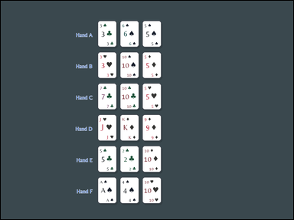 | 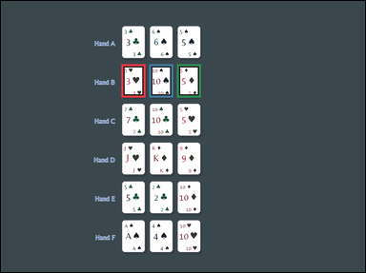 | task_games__cards__blackjack_best_hand_label | default | cards | default | The figure shows face-up playing cards arranged as a hand, labeled hands, or labeled candidate cards. Use blackjack values: number cards count as printed, J/Q/K count as 10, and each Ace counts as 11 unless that would bust, then it counts as 1. A bust hand is worse than any non-bust hand. Which option letter would win this blackjack comparison? Answer field: set "answer" to only the winning blackjack hand option letter. Example JSON: {"answer":"B"} | {"answer": "B"} | The figure shows face-up playing cards arranged as a hand, labeled hands, or labeled candidate cards. Use blackjack values: number cards count as printed, J/Q/K count as 10, and each Ace counts as 11 unless that would bust, then it counts as 1. A bust hand is worse than any non-bust hand. Which option letter would win this blackjack comparison? Annotation format: set "annotation" to an array of bounding boxes [x0, y0, x1, y1] for every card in the winning blackjack hand. Answer format: set "answer" to only the winning blackjack hand option letter. Example JSON: {"annotation":[[120,80,200,190],[220,80,300,190],[320,80,400,190]],"answer":"B"} | {"annotation": [[390.0, 205.0, 468.0, 313.0], [480.0, 205.0, 558.0, 313.0], [570.0, 205.0, 648.0, 313.0]], "answer": "B"} | string | bbox_set | 76926980171428 | games/cards/task_games__cards__blackjack_best_hand_label/images/default/0049.png | games/cards/task_games__cards__blackjack_best_hand_label/data/default/0049.json
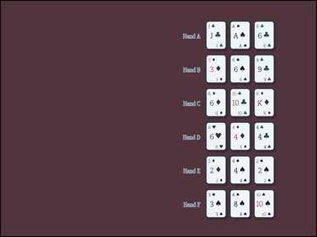 | 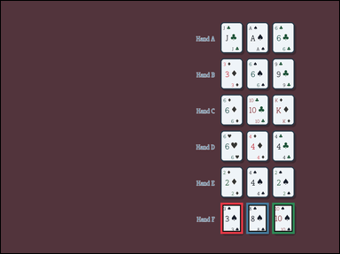 | task_games__cards__blackjack_best_hand_label | default | cards | default | You are shown face-up playing cards arranged as a hand, labeled hands, or labeled candidate cards. Use blackjack values: number cards count as printed, J/Q/K count as 10, and each Ace counts as 11 unless that would bust, then it counts as 1. A bust hand is worse than any non-bust hand. Choose the option letter for the blackjack hand that wins. Format for the "answer" field: set "answer" to only the winning blackjack hand option letter. Example JSON: {"answer":"B"} | {"answer": "F"} | You are shown face-up playing cards arranged as a hand, labeled hands, or labeled candidate cards. Use blackjack values: number cards count as printed, J/Q/K count as 10, and each Ace counts as 11 unless that would bust, then it counts as 1. A bust hand is worse than any non-bust hand. Choose the option letter for the blackjack hand that wins. Annotation format: set "annotation" to an array of bounding boxes [x0, y0, x1, y1] for every card in the winning blackjack hand. Answer format: set "answer" to only the winning blackjack hand option letter. Example JSON: {"annotation":[[120,80,200,190],[220,80,300,190],[320,80,400,190]],"answer":"B"} | {"annotation": [[766.0, 704.0, 844.0, 812.0], [856.0, 704.0, 934.0, 812.0], [946.0, 704.0, 1024.0, 812.0]], "answer": "F"} | string | bbox_set | 117462455495585 | games/cards/task_games__cards__blackjack_best_hand_label/images/default/0015.png | games/cards/task_games__cards__blackjack_best_hand_label/data/default/0015.json
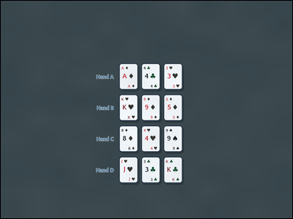 | 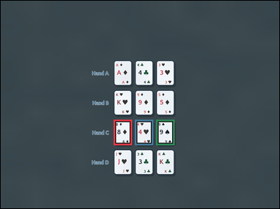 | task_games__cards__blackjack_best_hand_label | default | cards | default | The scene shows face-up playing cards arranged as a hand, labeled hands, or labeled candidate cards. Use blackjack values: number cards count as printed, J/Q/K count as 10, and each Ace counts as 11 unless that would bust, then it counts as 1. A bust hand is worse than any non-bust hand. Select the option letter for the best labeled blackjack hand. Answer format: set "answer" to only the winning blackjack hand option letter. Example JSON: {"answer":"B"} | {"answer": "C"} | The scene shows face-up playing cards arranged as a hand, labeled hands, or labeled candidate cards. Use blackjack values: number cards count as printed, J/Q/K count as 10, and each Ace counts as 11 unless that would bust, then it counts as 1. A bust hand is worse than any non-bust hand. Select the option letter for the best labeled blackjack hand. Annotation format: set "annotation" to an array of bounding boxes [x0, y0, x1, y1] for every card in the winning blackjack hand. Answer format: set "answer" to only the winning blackjack hand option letter. Example JSON: {"annotation":[[120,80,200,190],[220,80,300,190],[320,80,400,190]],"answer":"B"} | {"annotation": [[478.0, 504.0, 556.0, 612.0], [568.0, 504.0, 646.0, 612.0], [658.0, 504.0, 736.0, 612.0]], "answer": "C"} | string | bbox_set | 150637701961953 | games/cards/task_games__cards__blackjack_best_hand_label/images/default/0026.png | games/cards/task_games__cards__blackjack_best_hand_label/data/default/0026.json
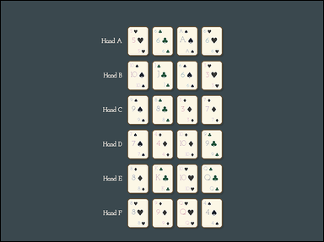 | 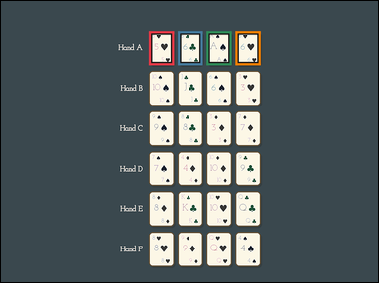 | task_games__cards__blackjack_best_hand_label | default | cards | default | The figure shows face-up playing cards arranged as a hand, labeled hands, or labeled candidate cards. Use blackjack values: number cards count as printed, J/Q/K count as 10, and each Ace counts as 11 unless that would bust, then it counts as 1. A bust hand is worse than any non-bust hand. Which option letter labels the best hand? Answer field: set "answer" to only the winning blackjack hand option letter. Example JSON: {"answer":"B"} | {"answer": "A"} | The figure shows face-up playing cards arranged as a hand, labeled hands, or labeled candidate cards. Use blackjack values: number cards count as printed, J/Q/K count as 10, and each Ace counts as 11 unless that would bust, then it counts as 1. A bust hand is worse than any non-bust hand. Which option letter labels the best hand? Annotation format: set "annotation" to an array of bounding boxes [x0, y0, x1, y1] for every card in the winning blackjack hand. Answer format: set "answer" to only the winning blackjack hand option letter. Example JSON: {"annotation":[[120,80,200,190],[220,80,300,190],[320,80,400,190]],"answer":"B"} | {"annotation": [[463.0, 93.0, 541.0, 201.0], [553.0, 93.0, 631.0, 201.0], [643.0, 93.0, 721.0, 201.0], [733.0, 93.0, 811.0, 201.0]], "answer": "A"} | string | bbox_set | 151583790807589 | games/cards/task_games__cards__blackjack_best_hand_label/images/default/0096.png | games/cards/task_games__cards__blackjack_best_hand_label/data/default/0096.json
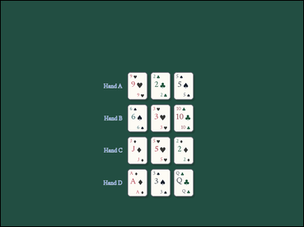 | 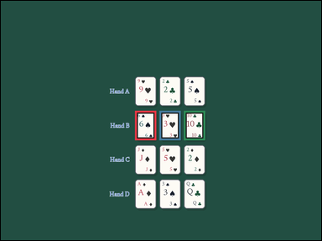 | task_games__cards__blackjack_best_hand_label | default | cards | default | The visual shows face-up playing cards arranged as a hand, labeled hands, or labeled candidate cards. Use blackjack values: number cards count as printed, J/Q/K count as 10, and each Ace counts as 11 unless that would bust, then it counts as 1. A bust hand is worse than any non-bust hand. Choose the option letter for the blackjack hand that wins. Final answer format: set "answer" to only the winning blackjack hand option letter. Example JSON: {"answer":"B"} | {"answer": "B"} | The visual shows face-up playing cards arranged as a hand, labeled hands, or labeled candidate cards. Use blackjack values: number cards count as printed, J/Q/K count as 10, and each Ace counts as 11 unless that would bust, then it counts as 1. A bust hand is worse than any non-bust hand. Choose the option letter for the blackjack hand that wins. Required annotation format: set "annotation" to an array of bounding boxes [x0, y0, x1, y1] for every card in the winning blackjack hand. Required answer format: set "answer" to only the winning blackjack hand option letter. Example JSON: {"annotation":[[120,80,200,190],[220,80,300,190],[320,80,400,190]],"answer":"B"} | {"annotation": [[494.0, 404.0, 572.0, 512.0], [584.0, 404.0, 662.0, 512.0], [674.0, 404.0, 752.0, 512.0]], "answer": "B"} | string | bbox_set | 162495238229401 | games/cards/task_games__cards__blackjack_best_hand_label/images/default/0083.png | games/cards/task_games__cards__blackjack_best_hand_label/data/default/0083.json
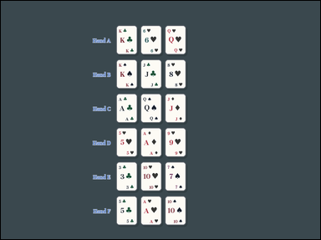 | 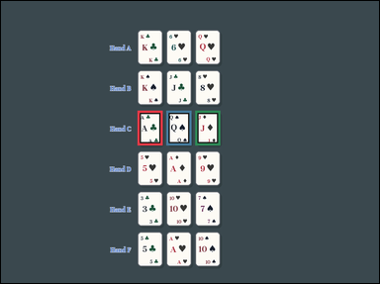 | task_games__cards__blackjack_best_hand_label | default | cards | default | The image shows face-up playing cards arranged as a hand, labeled hands, or labeled candidate cards. Use blackjack values: number cards count as printed, J/Q/K count as 10, and each Ace counts as 11 unless that would bust, then it counts as 1. A bust hand is worse than any non-bust hand. Which option letter would win this blackjack comparison? Format for the "answer" field: set "answer" to only the winning blackjack hand option letter. Example JSON: {"answer":"B"} | {"answer": "C"} | The image shows face-up playing cards arranged as a hand, labeled hands, or labeled candidate cards. Use blackjack values: number cards count as printed, J/Q/K count as 10, and each Ace counts as 11 unless that would bust, then it counts as 1. A bust hand is worse than any non-bust hand. Which option letter would win this blackjack comparison? Annotation format: set "annotation" to an array of bounding boxes [x0, y0, x1, y1] for every card in the winning blackjack hand. Answer format: set "answer" to only the winning blackjack hand option letter. Example JSON: {"annotation":[[120,80,200,190],[220,80,300,190],[320,80,400,190]],"answer":"B"} | {"annotation": [[426.0, 342.0, 504.0, 450.0], [516.0, 342.0, 594.0, 450.0], [606.0, 342.0, 684.0, 450.0]], "answer": "C"} | string | bbox_set | 201192564721499 | games/cards/task_games__cards__blackjack_best_hand_label/images/default/0052.png | games/cards/task_games__cards__blackjack_best_hand_label/data/default/0052.json
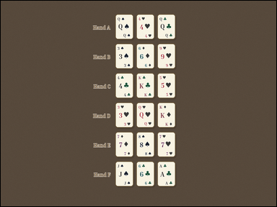 | 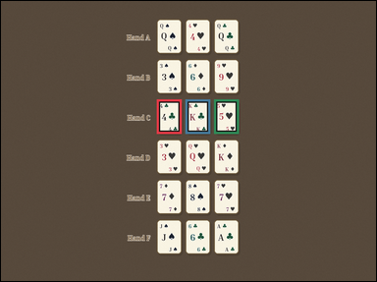 | task_games__cards__blackjack_best_hand_label | default | cards | default | The image shows face-up playing cards arranged as a hand, labeled hands, or labeled candidate cards. Use blackjack values: number cards count as printed, J/Q/K count as 10, and each Ace counts as 11 unless that would bust, then it counts as 1. A bust hand is worse than any non-bust hand. Which option letter would win this blackjack comparison? Answer field: set "answer" to only the winning blackjack hand option letter. Example JSON: {"answer":"B"} | {"answer": "C"} | The image shows face-up playing cards arranged as a hand, labeled hands, or labeled candidate cards. Use blackjack values: number cards count as printed, J/Q/K count as 10, and each Ace counts as 11 unless that would bust, then it counts as 1. A bust hand is worse than any non-bust hand. Which option letter would win this blackjack comparison? Annotation format: set "annotation" to an array of bounding boxes [x0, y0, x1, y1] for every card in the winning blackjack hand. Answer format: set "answer" to only the winning blackjack hand option letter. Example JSON: {"annotation":[[120,80,200,190],[220,80,300,190],[320,80,400,190]],"answer":"B"} | {"annotation": [[490.0, 309.0, 568.0, 417.0], [580.0, 309.0, 658.0, 417.0], [670.0, 309.0, 748.0, 417.0]], "answer": "C"} | string | bbox_set | 237324984459502 | games/cards/task_games__cards__blackjack_best_hand_label/images/default/0059.png | games/cards/task_games__cards__blackjack_best_hand_label/data/default/0059.json
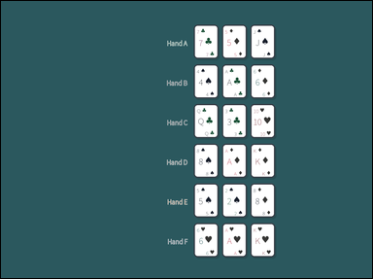 | 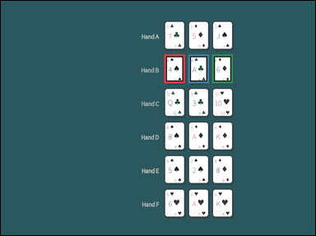 | task_games__cards__blackjack_best_hand_label | default | cards | default | The figure shows face-up playing cards arranged as a hand, labeled hands, or labeled candidate cards. Use blackjack values: number cards count as printed, J/Q/K count as 10, and each Ace counts as 11 unless that would bust, then it counts as 1. A bust hand is worse than any non-bust hand. Which option letter has the highest non-bust total? Required answer format: set "answer" to only the winning blackjack hand option letter. Example JSON: {"answer":"B"} | {"answer": "B"} | The figure shows face-up playing cards arranged as a hand, labeled hands, or labeled candidate cards. Use blackjack values: number cards count as printed, J/Q/K count as 10, and each Ace counts as 11 unless that would bust, then it counts as 1. A bust hand is worse than any non-bust hand. Which option letter has the highest non-bust total? Required annotation format: set "annotation" to an array of bounding boxes [x0, y0, x1, y1] for every card in the winning blackjack hand. Required answer format: set "answer" to only the winning blackjack hand option letter. Example JSON: {"annotation":[[120,80,200,190],[220,80,300,190],[320,80,400,190]],"answer":"B"} | {"annotation": [[613.0, 201.0, 691.0, 309.0], [703.0, 201.0, 781.0, 309.0], [793.0, 201.0, 871.0, 309.0]], "answer": "B"} | string | bbox_set | 439458162287000 | games/cards/task_games__cards__blackjack_best_hand_label/images/default/0009.png | games/cards/task_games__cards__blackjack_best_hand_label/data/default/0009.json
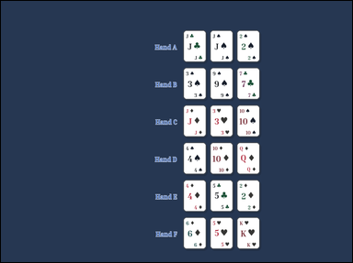 | 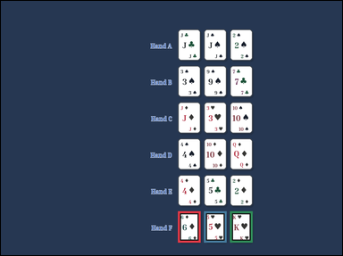 | task_games__cards__blackjack_best_hand_label | default | cards | default | You are shown face-up playing cards arranged as a hand, labeled hands, or labeled candidate cards. Use blackjack values: number cards count as printed, J/Q/K count as 10, and each Ace counts as 11 unless that would bust, then it counts as 1. A bust hand is worse than any non-bust hand. Which option letter has the highest non-bust total? Required answer format: set "answer" to only the winning blackjack hand option letter. Example JSON: {"answer":"B"} | {"answer": "F"} | You are shown face-up playing cards arranged as a hand, labeled hands, or labeled candidate cards. Use blackjack values: number cards count as printed, J/Q/K count as 10, and each Ace counts as 11 unless that would bust, then it counts as 1. A bust hand is worse than any non-bust hand. Which option letter has the highest non-bust total? Annotation format: set "annotation" to an array of bounding boxes [x0, y0, x1, y1] for every card in the winning blackjack hand. Answer format: set "answer" to only the winning blackjack hand option letter. Example JSON: {"annotation":[[120,80,200,190],[220,80,300,190],[320,80,400,190]],"answer":"B"} | {"annotation": [[612.0, 728.0, 690.0, 836.0], [702.0, 728.0, 780.0, 836.0], [792.0, 728.0, 870.0, 836.0]], "answer": "F"} | string | bbox_set | 584253415450482 | games/cards/task_games__cards__blackjack_best_hand_label/images/default/0000.png | games/cards/task_games__cards__blackjack_best_hand_label/data/default/0000.json
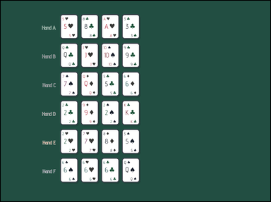 | 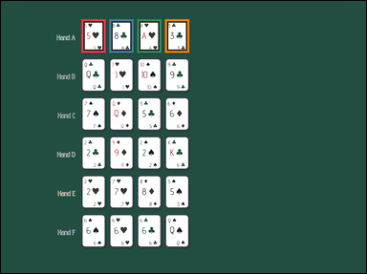 | task_games__cards__blackjack_best_hand_label | default | cards | default | You are shown face-up playing cards arranged as a hand, labeled hands, or labeled candidate cards. Use blackjack values: number cards count as printed, J/Q/K count as 10, and each Ace counts as 11 unless that would bust, then it counts as 1. A bust hand is worse than any non-bust hand. Choose the option letter for the blackjack hand that wins. Answer format: set "answer" to only the winning blackjack hand option letter. Example JSON: {"answer":"B"} | {"answer": "A"} | You are shown face-up playing cards arranged as a hand, labeled hands, or labeled candidate cards. Use blackjack values: number cards count as printed, J/Q/K count as 10, and each Ace counts as 11 unless that would bust, then it counts as 1. A bust hand is worse than any non-bust hand. Choose the option letter for the blackjack hand that wins. Required annotation format: set "annotation" to an array of bounding boxes [x0, y0, x1, y1] for every card in the winning blackjack hand. Required answer format: set "answer" to only the winning blackjack hand option letter. Example JSON: {"annotation":[[120,80,200,190],[220,80,300,190],[320,80,400,190]],"answer":"B"} | {"annotation": [[260.0, 59.0, 338.0, 167.0], [350.0, 59.0, 428.0, 167.0], [440.0, 59.0, 518.0, 167.0], [530.0, 59.0, 608.0, 167.0]], "answer": "A"} | string | bbox_set | 668346123752766 | games/cards/task_games__cards__blackjack_best_hand_label/images/default/0032.png | games/cards/task_games__cards__blackjack_best_hand_label/data/default/0032.json
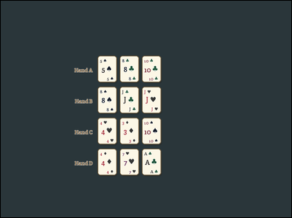 | 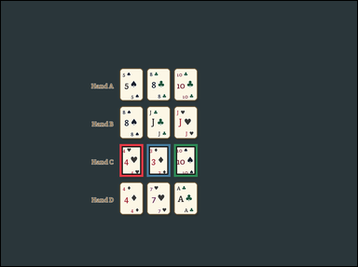 | task_games__cards__blackjack_best_hand_label | default | cards | default | The visual shows face-up playing cards arranged as a hand, labeled hands, or labeled candidate cards. Use blackjack values: number cards count as printed, J/Q/K count as 10, and each Ace counts as 11 unless that would bust, then it counts as 1. A bust hand is worse than any non-bust hand. Which option letter would win this blackjack comparison? Answer format: set "answer" to only the winning blackjack hand option letter. Example JSON: {"answer":"B"} | {"answer": "C"} | The visual shows face-up playing cards arranged as a hand, labeled hands, or labeled candidate cards. Use blackjack values: number cards count as printed, J/Q/K count as 10, and each Ace counts as 11 unless that would bust, then it counts as 1. A bust hand is worse than any non-bust hand. Which option letter would win this blackjack comparison? Annotation format: set "annotation" to an array of bounding boxes [x0, y0, x1, y1] for every card in the winning blackjack hand. Answer format: set "answer" to only the winning blackjack hand option letter. Example JSON: {"annotation":[[120,80,200,190],[220,80,300,190],[320,80,400,190]],"answer":"B"} | {"annotation": [[393.0, 475.0, 471.0, 583.0], [483.0, 475.0, 561.0, 583.0], [573.0, 475.0, 651.0, 583.0]], "answer": "C"} | string | bbox_set | 810294748348993 | games/cards/task_games__cards__blackjack_best_hand_label/images/default/0041.png | games/cards/task_games__cards__blackjack_best_hand_label/data/default/0041.json
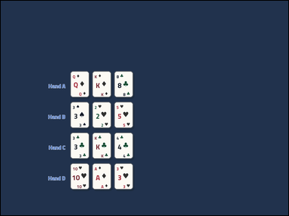 | 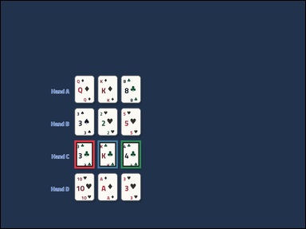 | task_games__cards__blackjack_best_hand_label | default | cards | default | The image shows face-up playing cards arranged as a hand, labeled hands, or labeled candidate cards. Use blackjack values: number cards count as printed, J/Q/K count as 10, and each Ace counts as 11 unless that would bust, then it counts as 1. A bust hand is worse than any non-bust hand. Choose the option letter for the blackjack hand that wins. Required answer format: set "answer" to only the winning blackjack hand option letter. Example JSON: {"answer":"B"} | {"answer": "C"} | The image shows face-up playing cards arranged as a hand, labeled hands, or labeled candidate cards. Use blackjack values: number cards count as printed, J/Q/K count as 10, and each Ace counts as 11 unless that would bust, then it counts as 1. A bust hand is worse than any non-bust hand. Choose the option letter for the blackjack hand that wins. Annotation format: set "annotation" to an array of bounding boxes [x0, y0, x1, y1] for every card in the winning blackjack hand. Answer format: set "answer" to only the winning blackjack hand option letter. Example JSON: {"annotation":[[120,80,200,190],[220,80,300,190],[320,80,400,190]],"answer":"B"} | {"annotation": [[285.0, 540.0, 363.0, 648.0], [375.0, 540.0, 453.0, 648.0], [465.0, 540.0, 543.0, 648.0]], "answer": "C"} | string | bbox_set | 950838299816702 | games/cards/task_games__cards__blackjack_best_hand_label/images/default/0097.png | games/cards/task_games__cards__blackjack_best_hand_label/data/default/0097.json
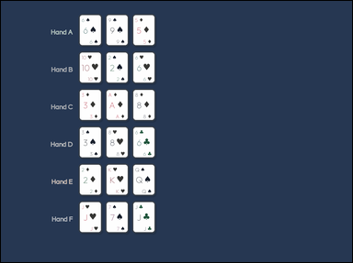 | 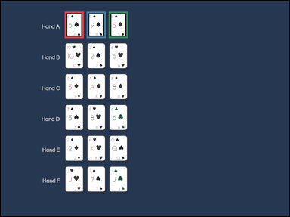 | task_games__cards__blackjack_best_hand_label | default | cards | default | You are shown face-up playing cards arranged as a hand, labeled hands, or labeled candidate cards. Use blackjack values: number cards count as printed, J/Q/K count as 10, and each Ace counts as 11 unless that would bust, then it counts as 1. A bust hand is worse than any non-bust hand. Which option letter would win this blackjack comparison? Required answer format: set "answer" to only the winning blackjack hand option letter. Example JSON: {"answer":"B"} | {"answer": "A"} | You are shown face-up playing cards arranged as a hand, labeled hands, or labeled candidate cards. Use blackjack values: number cards count as printed, J/Q/K count as 10, and each Ace counts as 11 unless that would bust, then it counts as 1. A bust hand is worse than any non-bust hand. Which option letter would win this blackjack comparison? Required annotation format: set "annotation" to an array of bounding boxes [x0, y0, x1, y1] for every card in the winning blackjack hand. Required answer format: set "answer" to only the winning blackjack hand option letter. Example JSON: {"annotation":[[120,80,200,190],[220,80,300,190],[320,80,400,190]],"answer":"B"} | {"annotation": [[261.0, 44.0, 339.0, 152.0], [351.0, 44.0, 429.0, 152.0], [441.0, 44.0, 519.0, 152.0]], "answer": "A"} | string | bbox_set | 990263209710733 | games/cards/task_games__cards__blackjack_best_hand_label/images/default/0035.png | games/cards/task_games__cards__blackjack_best_hand_label/data/default/0035.json
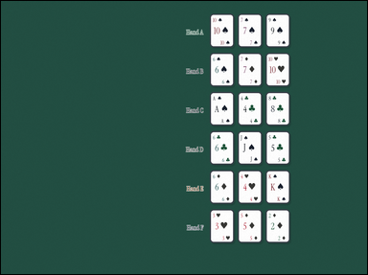 | 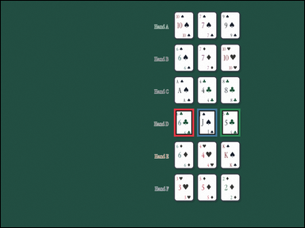 | task_games__cards__blackjack_best_hand_label | default | cards | default | The visual shows face-up playing cards arranged as a hand, labeled hands, or labeled candidate cards. Use blackjack values: number cards count as printed, J/Q/K count as 10, and each Ace counts as 11 unless that would bust, then it counts as 1. A bust hand is worse than any non-bust hand. Choose the option letter for the blackjack hand that wins. Final answer format: set "answer" to only the winning blackjack hand option letter. Example JSON: {"answer":"B"} | {"answer": "D"} | The visual shows face-up playing cards arranged as a hand, labeled hands, or labeled candidate cards. Use blackjack values: number cards count as printed, J/Q/K count as 10, and each Ace counts as 11 unless that would bust, then it counts as 1. A bust hand is worse than any non-bust hand. Choose the option letter for the blackjack hand that wins. Annotation format: set "annotation" to an array of bounding boxes [x0, y0, x1, y1] for every card in the winning blackjack hand. Answer format: set "answer" to only the winning blackjack hand option letter. Example JSON: {"annotation":[[120,80,200,190],[220,80,300,190],[320,80,400,190]],"answer":"B"} | {"annotation": [[673.0, 419.0, 751.0, 527.0], [763.0, 419.0, 841.0, 527.0], [853.0, 419.0, 931.0, 527.0]], "answer": "D"} | string | bbox_set | 1.111370391E+15 | games/cards/task_games__cards__blackjack_best_hand_label/images/default/0071.png | games/cards/task_games__cards__blackjack_best_hand_label/data/default/0071.json
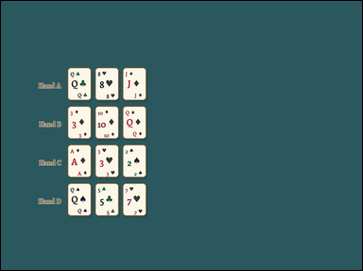 | 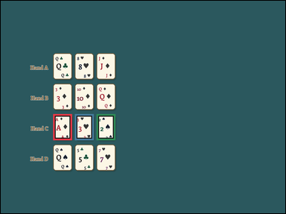 | task_games__cards__blackjack_best_hand_label | default | cards | default | You are shown face-up playing cards arranged as a hand, labeled hands, or labeled candidate cards. Use blackjack values: number cards count as printed, J/Q/K count as 10, and each Ace counts as 11 unless that would bust, then it counts as 1. A bust hand is worse than any non-bust hand. Which option letter has the highest non-bust total? Answer field: set "answer" to only the winning blackjack hand option letter. Example JSON: {"answer":"B"} | {"answer": "C"} | You are shown face-up playing cards arranged as a hand, labeled hands, or labeled candidate cards. Use blackjack values: number cards count as printed, J/Q/K count as 10, and each Ace counts as 11 unless that would bust, then it counts as 1. A bust hand is worse than any non-bust hand. Which option letter has the highest non-bust total? Required annotation format: set "annotation" to an array of bounding boxes [x0, y0, x1, y1] for every card in the winning blackjack hand. Required answer format: set "answer" to only the winning blackjack hand option letter. Example JSON: {"annotation":[[120,80,200,190],[220,80,300,190],[320,80,400,190]],"answer":"B"} | {"annotation": [[217.0, 469.0, 295.0, 577.0], [307.0, 469.0, 385.0, 577.0], [397.0, 469.0, 475.0, 577.0]], "answer": "C"} | string | bbox_set | 1.1736504252E+15 | games/cards/task_games__cards__blackjack_best_hand_label/images/default/0057.png | games/cards/task_games__cards__blackjack_best_hand_label/data/default/0057.json
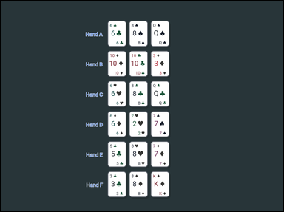 | 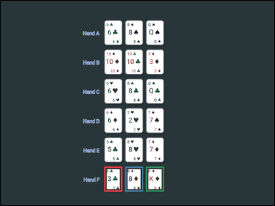 | task_games__cards__blackjack_best_hand_label | default | cards | default | The image shows face-up playing cards arranged as a hand, labeled hands, or labeled candidate cards. Use blackjack values: number cards count as printed, J/Q/K count as 10, and each Ace counts as 11 unless that would bust, then it counts as 1. A bust hand is worse than any non-bust hand. Choose the option letter for the blackjack hand that wins. Required answer format: set "answer" to only the winning blackjack hand option letter. Example JSON: {"answer":"B"} | {"answer": "F"} | The image shows face-up playing cards arranged as a hand, labeled hands, or labeled candidate cards. Use blackjack values: number cards count as printed, J/Q/K count as 10, and each Ace counts as 11 unless that would bust, then it counts as 1. A bust hand is worse than any non-bust hand. Choose the option letter for the blackjack hand that wins. Required annotation format: set "annotation" to an array of bounding boxes [x0, y0, x1, y1] for every card in the winning blackjack hand. Required answer format: set "answer" to only the winning blackjack hand option letter. Example JSON: {"annotation":[[120,80,200,190],[220,80,300,190],[320,80,400,190]],"answer":"B"} | {"annotation": [[446.0, 713.0, 524.0, 821.0], [536.0, 713.0, 614.0, 821.0], [626.0, 713.0, 704.0, 821.0]], "answer": "F"} | string | bbox_set | 1.3329878219E+15 | games/cards/task_games__cards__blackjack_best_hand_label/images/default/0054.png | games/cards/task_games__cards__blackjack_best_hand_label/data/default/0054.json
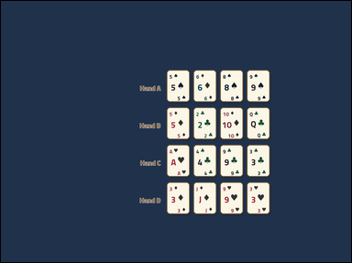 | 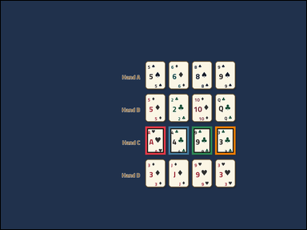 | task_games__cards__blackjack_best_hand_label | default | cards | default | The scene shows face-up playing cards arranged as a hand, labeled hands, or labeled candidate cards. Use blackjack values: number cards count as printed, J/Q/K count as 10, and each Ace counts as 11 unless that would bust, then it counts as 1. A bust hand is worse than any non-bust hand. Choose the option letter for the blackjack hand that wins. Answer format: set "answer" to only the winning blackjack hand option letter. Example JSON: {"answer":"B"} | {"answer": "C"} | The scene shows face-up playing cards arranged as a hand, labeled hands, or labeled candidate cards. Use blackjack values: number cards count as printed, J/Q/K count as 10, and each Ace counts as 11 unless that would bust, then it counts as 1. A bust hand is worse than any non-bust hand. Choose the option letter for the blackjack hand that wins. Required annotation format: set "annotation" to an array of bounding boxes [x0, y0, x1, y1] for every card in the winning blackjack hand. Required answer format: set "answer" to only the winning blackjack hand option letter. Example JSON: {"annotation":[[120,80,200,190],[220,80,300,190],[320,80,400,190]],"answer":"B"} | {"annotation": [[558.0, 484.0, 636.0, 592.0], [648.0, 484.0, 726.0, 592.0], [738.0, 484.0, 816.0, 592.0], [828.0, 484.0, 906.0, 592.0]], "answer": "C"} | string | bbox_set | 1.3627480007E+15 | games/cards/task_games__cards__blackjack_best_hand_label/images/default/0075.png | games/cards/task_games__cards__blackjack_best_hand_label/data/default/0075.json
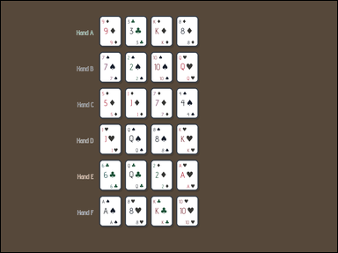 | 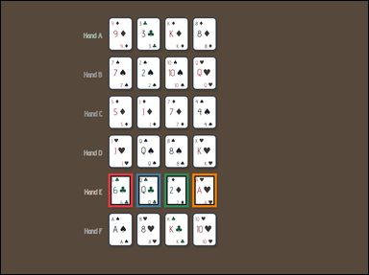 | task_games__cards__blackjack_best_hand_label | default | cards | default | The figure shows face-up playing cards arranged as a hand, labeled hands, or labeled candidate cards. Use blackjack values: number cards count as printed, J/Q/K count as 10, and each Ace counts as 11 unless that would bust, then it counts as 1. A bust hand is worse than any non-bust hand. Choose the option letter for the blackjack hand that wins. Required answer format: set "answer" to only the winning blackjack hand option letter. Example JSON: {"answer":"B"} | {"answer": "E"} | The figure shows face-up playing cards arranged as a hand, labeled hands, or labeled candidate cards. Use blackjack values: number cards count as printed, J/Q/K count as 10, and each Ace counts as 11 unless that would bust, then it counts as 1. A bust hand is worse than any non-bust hand. Choose the option letter for the blackjack hand that wins. Annotation format: set "annotation" to an array of bounding boxes [x0, y0, x1, y1] for every card in the winning blackjack hand. Answer format: set "answer" to only the winning blackjack hand option letter. Example JSON: {"annotation":[[120,80,200,190],[220,80,300,190],[320,80,400,190]],"answer":"B"} | {"annotation": [[345.0, 556.0, 423.0, 664.0], [435.0, 556.0, 513.0, 664.0], [525.0, 556.0, 603.0, 664.0], [615.0, 556.0, 693.0, 664.0]], "answer": "E"} | string | bbox_set | 1.378529152E+15 | games/cards/task_games__cards__blackjack_best_hand_label/images/default/0020.png | games/cards/task_games__cards__blackjack_best_hand_label/data/default/0020.json
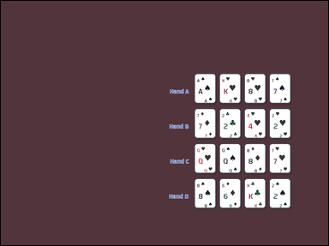 | 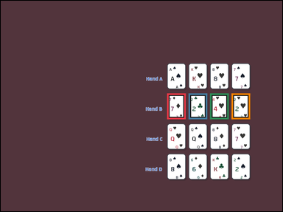 | task_games__cards__blackjack_best_hand_label | default | cards | default | You are shown face-up playing cards arranged as a hand, labeled hands, or labeled candidate cards. Use blackjack values: number cards count as printed, J/Q/K count as 10, and each Ace counts as 11 unless that would bust, then it counts as 1. A bust hand is worse than any non-bust hand. Select the option letter for the best labeled blackjack hand. Final answer format: set "answer" to only the winning blackjack hand option letter. Example JSON: {"answer":"B"} | {"answer": "B"} | You are shown face-up playing cards arranged as a hand, labeled hands, or labeled candidate cards. Use blackjack values: number cards count as printed, J/Q/K count as 10, and each Ace counts as 11 unless that would bust, then it counts as 1. A bust hand is worse than any non-bust hand. Select the option letter for the best labeled blackjack hand. Annotation format: set "annotation" to an array of bounding boxes [x0, y0, x1, y1] for every card in the winning blackjack hand. Answer format: set "answer" to only the winning blackjack hand option letter. Example JSON: {"annotation":[[120,80,200,190],[220,80,300,190],[320,80,400,190]],"answer":"B"} | {"annotation": [[697.0, 387.0, 775.0, 495.0], [787.0, 387.0, 865.0, 495.0], [877.0, 387.0, 955.0, 495.0], [967.0, 387.0, 1045.0, 495.0]], "answer": "B"} | string | bbox_set | 1.4702133759E+15 | games/cards/task_games__cards__blackjack_best_hand_label/images/default/0023.png | games/cards/task_games__cards__blackjack_best_hand_label/data/default/0023.json
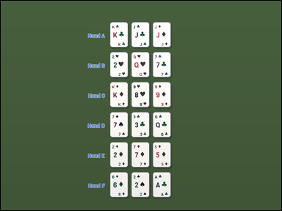 | 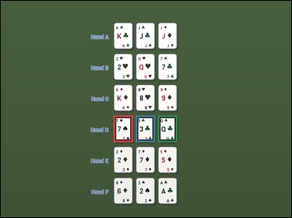 | task_games__cards__blackjack_best_hand_label | default | cards | default | The image shows face-up playing cards arranged as a hand, labeled hands, or labeled candidate cards. Use blackjack values: number cards count as printed, J/Q/K count as 10, and each Ace counts as 11 unless that would bust, then it counts as 1. A bust hand is worse than any non-bust hand. Which option letter labels the best hand? Format for the "answer" field: set "answer" to only the winning blackjack hand option letter. Example JSON: {"answer":"B"} | {"answer": "D"} | The image shows face-up playing cards arranged as a hand, labeled hands, or labeled candidate cards. Use blackjack values: number cards count as printed, J/Q/K count as 10, and each Ace counts as 11 unless that would bust, then it counts as 1. A bust hand is worse than any non-bust hand. Which option letter labels the best hand? Annotation format: set "annotation" to an array of bounding boxes [x0, y0, x1, y1] for every card in the winning blackjack hand. Answer format: set "answer" to only the winning blackjack hand option letter. Example JSON: {"annotation":[[120,80,200,190],[220,80,300,190],[320,80,400,190]],"answer":"B"} | {"annotation": [[458.0, 466.0, 536.0, 574.0], [548.0, 466.0, 626.0, 574.0], [638.0, 466.0, 716.0, 574.0]], "answer": "D"} | string | bbox_set | 1.5361655151E+15 | games/cards/task_games__cards__blackjack_best_hand_label/images/default/0034.png | games/cards/task_games__cards__blackjack_best_hand_label/data/default/0034.json
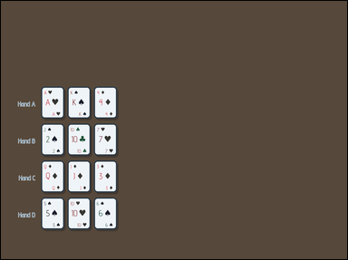 | 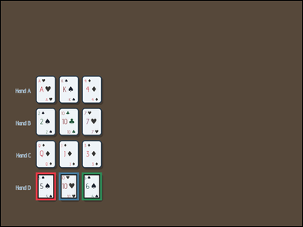 | task_games__cards__blackjack_best_hand_label | default | cards | default | The scene shows face-up playing cards arranged as a hand, labeled hands, or labeled candidate cards. Use blackjack values: number cards count as printed, J/Q/K count as 10, and each Ace counts as 11 unless that would bust, then it counts as 1. A bust hand is worse than any non-bust hand. Which option letter has the highest non-bust total? Final answer format: set "answer" to only the winning blackjack hand option letter. Example JSON: {"answer":"B"} | {"answer": "D"} | The scene shows face-up playing cards arranged as a hand, labeled hands, or labeled candidate cards. Use blackjack values: number cards count as printed, J/Q/K count as 10, and each Ace counts as 11 unless that would bust, then it counts as 1. A bust hand is worse than any non-bust hand. Which option letter has the highest non-bust total? Annotation format: set "annotation" to an array of bounding boxes [x0, y0, x1, y1] for every card in the winning blackjack hand. Answer format: set "answer" to only the winning blackjack hand option letter. Example JSON: {"annotation":[[120,80,200,190],[220,80,300,190],[320,80,400,190]],"answer":"B"} | {"annotation": [[137.0, 670.0, 215.0, 778.0], [227.0, 670.0, 305.0, 778.0], [317.0, 670.0, 395.0, 778.0]], "answer": "D"} | string | bbox_set | 1.5599790273E+15 | games/cards/task_games__cards__blackjack_best_hand_label/images/default/0074.png | games/cards/task_games__cards__blackjack_best_hand_label/data/default/0074.json
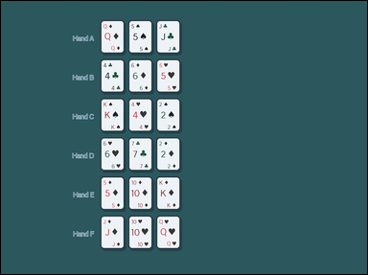 | 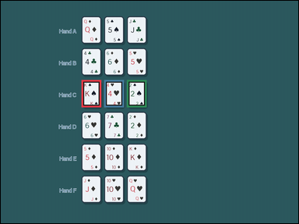 | task_games__cards__blackjack_best_hand_label | default | cards | default | The figure shows face-up playing cards arranged as a hand, labeled hands, or labeled candidate cards. Use blackjack values: number cards count as printed, J/Q/K count as 10, and each Ace counts as 11 unless that would bust, then it counts as 1. A bust hand is worse than any non-bust hand. Which option letter has the highest non-bust total? Answer field: set "answer" to only the winning blackjack hand option letter. Example JSON: {"answer":"B"} | {"answer": "C"} | The figure shows face-up playing cards arranged as a hand, labeled hands, or labeled candidate cards. Use blackjack values: number cards count as printed, J/Q/K count as 10, and each Ace counts as 11 unless that would bust, then it counts as 1. A bust hand is worse than any non-bust hand. Which option letter has the highest non-bust total? Annotation format: set "annotation" to an array of bounding boxes [x0, y0, x1, y1] for every card in the winning blackjack hand. Answer format: set "answer" to only the winning blackjack hand option letter. Example JSON: {"annotation":[[120,80,200,190],[220,80,300,190],[320,80,400,190]],"answer":"B"} | {"annotation": [[320.0, 313.0, 398.0, 421.0], [410.0, 313.0, 488.0, 421.0], [500.0, 313.0, 578.0, 421.0]], "answer": "C"} | string | bbox_set | 1.7013941728E+15 | games/cards/task_games__cards__blackjack_best_hand_label/images/default/0055.png | games/cards/task_games__cards__blackjack_best_hand_label/data/default/0055.json
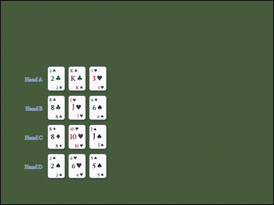 | 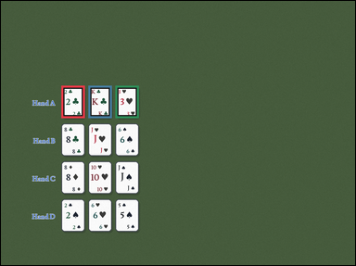 | task_games__cards__blackjack_best_hand_label | default | cards | default | The figure shows face-up playing cards arranged as a hand, labeled hands, or labeled candidate cards. Use blackjack values: number cards count as printed, J/Q/K count as 10, and each Ace counts as 11 unless that would bust, then it counts as 1. A bust hand is worse than any non-bust hand. Select the option letter for the best labeled blackjack hand. Required answer format: set "answer" to only the winning blackjack hand option letter. Example JSON: {"answer":"B"} | {"answer": "A"} | The figure shows face-up playing cards arranged as a hand, labeled hands, or labeled candidate cards. Use blackjack values: number cards count as printed, J/Q/K count as 10, and each Ace counts as 11 unless that would bust, then it counts as 1. A bust hand is worse than any non-bust hand. Select the option letter for the best labeled blackjack hand. Annotation format: set "annotation" to an array of bounding boxes [x0, y0, x1, y1] for every card in the winning blackjack hand. Answer format: set "answer" to only the winning blackjack hand option letter. Example JSON: {"annotation":[[120,80,200,190],[220,80,300,190],[320,80,400,190]],"answer":"B"} | {"annotation": [[201.0, 282.0, 279.0, 390.0], [291.0, 282.0, 369.0, 390.0], [381.0, 282.0, 459.0, 390.0]], "answer": "A"} | string | bbox_set | 1.8064312597E+15 | games/cards/task_games__cards__blackjack_best_hand_label/images/default/0011.png | games/cards/task_games__cards__blackjack_best_hand_label/data/default/0011.json
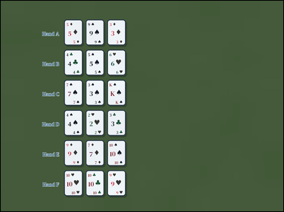 | 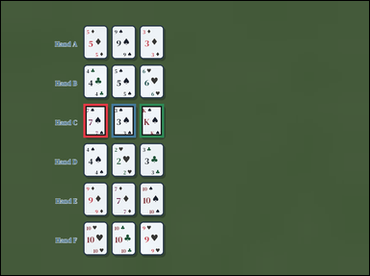 | task_games__cards__blackjack_best_hand_label | default | cards | default | The scene shows face-up playing cards arranged as a hand, labeled hands, or labeled candidate cards. Use blackjack values: number cards count as printed, J/Q/K count as 10, and each Ace counts as 11 unless that would bust, then it counts as 1. A bust hand is worse than any non-bust hand. Choose the option letter for the blackjack hand that wins. Final answer format: set "answer" to only the winning blackjack hand option letter. Example JSON: {"answer":"B"} | {"answer": "C"} | The scene shows face-up playing cards arranged as a hand, labeled hands, or labeled candidate cards. Use blackjack values: number cards count as printed, J/Q/K count as 10, and each Ace counts as 11 unless that would bust, then it counts as 1. A bust hand is worse than any non-bust hand. Choose the option letter for the blackjack hand that wins. Required annotation format: set "annotation" to an array of bounding boxes [x0, y0, x1, y1] for every card in the winning blackjack hand. Required answer format: set "answer" to only the winning blackjack hand option letter. Example JSON: {"annotation":[[120,80,200,190],[220,80,300,190],[320,80,400,190]],"answer":"B"} | {"annotation": [[264.0, 330.0, 342.0, 438.0], [354.0, 330.0, 432.0, 438.0], [444.0, 330.0, 522.0, 438.0]], "answer": "C"} | string | bbox_set | 2.0567030624E+15 | games/cards/task_games__cards__blackjack_best_hand_label/images/default/0088.png | games/cards/task_games__cards__blackjack_best_hand_label/data/default/0088.json
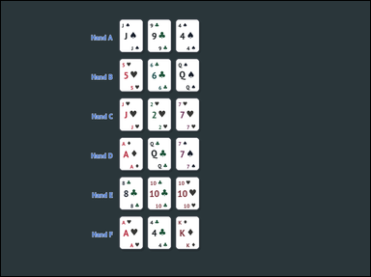 | 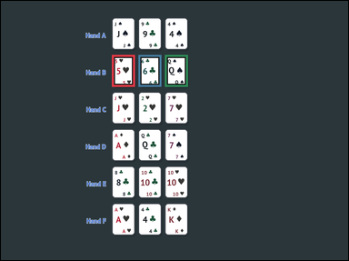 | task_games__cards__blackjack_best_hand_label | default | cards | default | The visual shows face-up playing cards arranged as a hand, labeled hands, or labeled candidate cards. Use blackjack values: number cards count as printed, J/Q/K count as 10, and each Ace counts as 11 unless that would bust, then it counts as 1. A bust hand is worse than any non-bust hand. Which option letter has the highest non-bust total? Answer field: set "answer" to only the winning blackjack hand option letter. Example JSON: {"answer":"B"} | {"answer": "B"} | The visual shows face-up playing cards arranged as a hand, labeled hands, or labeled candidate cards. Use blackjack values: number cards count as printed, J/Q/K count as 10, and each Ace counts as 11 unless that would bust, then it counts as 1. A bust hand is worse than any non-bust hand. Which option letter has the highest non-bust total? Final answer format: set "answer" to only the winning blackjack hand option letter. Annotation format: set "annotation" to an array of bounding boxes [x0, y0, x1, y1] for every card in the winning blackjack hand. Example JSON: {"annotation":[[120,80,200,190],[220,80,300,190],[320,80,400,190]],"answer":"B"} | {"annotation": [[377.0, 183.0, 455.0, 291.0], [467.0, 183.0, 545.0, 291.0], [557.0, 183.0, 635.0, 291.0]], "answer": "B"} | string | bbox_set | 2.1850713526E+15 | games/cards/task_games__cards__blackjack_best_hand_label/images/default/0073.png | games/cards/task_games__cards__blackjack_best_hand_label/data/default/0073.json
 |  | task_games__cards__blackjack_best_hand_label | default | cards | default | You are shown face-up playing cards arranged as a hand, labeled hands, or labeled candidate cards. Use blackjack values: number cards count as printed, J/Q/K count as 10, and each Ace counts as 11 unless that would bust, then it counts as 1. A bust hand is worse than any non-bust hand. Choose the option letter for the blackjack hand that wins. Format for the "answer" field: set "answer" to only the winning blackjack hand option letter. Example JSON: {"answer":"B"} | {"answer": "D"} | You are shown face-up playing cards arranged as a hand, labeled hands, or labeled candidate cards. Use blackjack values: number cards count as printed, J/Q/K count as 10, and each Ace counts as 11 unless that would bust, then it counts as 1. A bust hand is worse than any non-bust hand. Choose the option letter for the blackjack hand that wins. Annotation format: set "annotation" to an array of bounding boxes [x0, y0, x1, y1] for every card in the winning blackjack hand. Answer format: set "answer" to only the winning blackjack hand option letter. Example JSON: {"annotation":[[120,80,200,190],[220,80,300,190],[320,80,400,190]],"answer":"B"} | {"annotation": [[192.0, 509.0, 270.0, 617.0], [282.0, 509.0, 360.0, 617.0], [372.0, 509.0, 450.0, 617.0]], "answer": "D"} | string | bbox_set | 2.3195445334E+15 | games/cards/task_games__cards__blackjack_best_hand_label/images/default/0029.png | games/cards/task_games__cards__blackjack_best_hand_label/data/default/0029.json
 |  | task_games__cards__blackjack_best_hand_label | default | cards | default | The scene shows face-up playing cards arranged as a hand, labeled hands, or labeled candidate cards. Use blackjack values: number cards count as printed, J/Q/K count as 10, and each Ace counts as 11 unless that would bust, then it counts as 1. A bust hand is worse than any non-bust hand. Which option letter has the highest non-bust total? Answer format: set "answer" to only the winning blackjack hand option letter. Example JSON: {"answer":"B"} | {"answer": "B"} | The scene shows face-up playing cards arranged as a hand, labeled hands, or labeled candidate cards. Use blackjack values: number cards count as printed, J/Q/K count as 10, and each Ace counts as 11 unless that would bust, then it counts as 1. A bust hand is worse than any non-bust hand. Which option letter has the highest non-bust total? Annotation format: set "annotation" to an array of bounding boxes [x0, y0, x1, y1] for every card in the winning blackjack hand. Answer format: set "answer" to only the winning blackjack hand option letter. Example JSON: {"annotation":[[120,80,200,190],[220,80,300,190],[320,80,400,190]],"answer":"B"} | {"annotation": [[538.0, 279.0, 616.0, 387.0], [628.0, 279.0, 706.0, 387.0], [718.0, 279.0, 796.0, 387.0]], "answer": "B"} | string | bbox_set | 2.409503965E+15 | games/cards/task_games__cards__blackjack_best_hand_label/images/default/0078.png | games/cards/task_games__cards__blackjack_best_hand_label/data/default/0078.json
 |  | task_games__cards__blackjack_best_hand_label | default | cards | default | The figure shows face-up playing cards arranged as a hand, labeled hands, or labeled candidate cards. Use blackjack values: number cards count as printed, J/Q/K count as 10, and each Ace counts as 11 unless that would bust, then it counts as 1. A bust hand is worse than any non-bust hand. Which option letter has the highest non-bust total? Answer format: set "answer" to only the winning blackjack hand option letter. Example JSON: {"answer":"B"} | {"answer": "D"} | The figure shows face-up playing cards arranged as a hand, labeled hands, or labeled candidate cards. Use blackjack values: number cards count as printed, J/Q/K count as 10, and each Ace counts as 11 unless that would bust, then it counts as 1. A bust hand is worse than any non-bust hand. Which option letter has the highest non-bust total? Required annotation format: set "annotation" to an array of bounding boxes [x0, y0, x1, y1] for every card in the winning blackjack hand. Required answer format: set "answer" to only the winning blackjack hand option letter. Example JSON: {"annotation":[[120,80,200,190],[220,80,300,190],[320,80,400,190]],"answer":"B"} | {"annotation": [[393.0, 609.0, 471.0, 717.0], [483.0, 609.0, 561.0, 717.0], [573.0, 609.0, 651.0, 717.0], [663.0, 609.0, 741.0, 717.0]], "answer": "D"} | string | bbox_set | 2.4350746405E+15 | games/cards/task_games__cards__blackjack_best_hand_label/images/default/0093.png | games/cards/task_games__cards__blackjack_best_hand_label/data/default/0093.json
 |  | task_games__cards__blackjack_best_hand_label | default | cards | default | The figure shows face-up playing cards arranged as a hand, labeled hands, or labeled candidate cards. Use blackjack values: number cards count as printed, J/Q/K count as 10, and each Ace counts as 11 unless that would bust, then it counts as 1. A bust hand is worse than any non-bust hand. Choose the option letter for the blackjack hand that wins. Required answer format: set "answer" to only the winning blackjack hand option letter. Example JSON: {"answer":"B"} | {"answer": "B"} | The figure shows face-up playing cards arranged as a hand, labeled hands, or labeled candidate cards. Use blackjack values: number cards count as printed, J/Q/K count as 10, and each Ace counts as 11 unless that would bust, then it counts as 1. A bust hand is worse than any non-bust hand. Choose the option letter for the blackjack hand that wins. Final answer format: set "answer" to only the winning blackjack hand option letter. Annotation format: set "annotation" to an array of bounding boxes [x0, y0, x1, y1] for every card in the winning blackjack hand. Example JSON: {"annotation":[[120,80,200,190],[220,80,300,190],[320,80,400,190]],"answer":"B"} | {"annotation": [[283.0, 212.0, 361.0, 320.0], [373.0, 212.0, 451.0, 320.0], [463.0, 212.0, 541.0, 320.0], [553.0, 212.0, 631.0, 320.0]], "answer": "B"} | string | bbox_set | 2.5180661668E+15 | games/cards/task_games__cards__blackjack_best_hand_label/images/default/0092.png | games/cards/task_games__cards__blackjack_best_hand_label/data/default/0092.json
 |  | task_games__cards__blackjack_best_hand_label | default | cards | default | The visual shows face-up playing cards arranged as a hand, labeled hands, or labeled candidate cards. Use blackjack values: number cards count as printed, J/Q/K count as 10, and each Ace counts as 11 unless that would bust, then it counts as 1. A bust hand is worse than any non-bust hand. Select the option letter for the best labeled blackjack hand. Final answer format: set "answer" to only the winning blackjack hand option letter. Example JSON: {"answer":"B"} | {"answer": "D"} | The visual shows face-up playing cards arranged as a hand, labeled hands, or labeled candidate cards. Use blackjack values: number cards count as printed, J/Q/K count as 10, and each Ace counts as 11 unless that would bust, then it counts as 1. A bust hand is worse than any non-bust hand. Select the option letter for the best labeled blackjack hand. Annotation format: set "annotation" to an array of bounding boxes [x0, y0, x1, y1] for every card in the winning blackjack hand. Answer format: set "answer" to only the winning blackjack hand option letter. Example JSON: {"annotation":[[120,80,200,190],[220,80,300,190],[320,80,400,190]],"answer":"B"} | {"annotation": [[457.0, 470.0, 535.0, 578.0], [547.0, 470.0, 625.0, 578.0], [637.0, 470.0, 715.0, 578.0], [727.0, 470.0, 805.0, 578.0]], "answer": "D"} | string | bbox_set | 2.6159178861E+15 | games/cards/task_games__cards__blackjack_best_hand_label/images/default/0016.png | games/cards/task_games__cards__blackjack_best_hand_label/data/default/0016.json
 |  | task_games__cards__blackjack_best_hand_label | default | cards | default | The scene shows face-up playing cards arranged as a hand, labeled hands, or labeled candidate cards. Use blackjack values: number cards count as printed, J/Q/K count as 10, and each Ace counts as 11 unless that would bust, then it counts as 1. A bust hand is worse than any non-bust hand. Which option letter has the highest non-bust total? Required answer format: set "answer" to only the winning blackjack hand option letter. Example JSON: {"answer":"B"} | {"answer": "B"} | The scene shows face-up playing cards arranged as a hand, labeled hands, or labeled candidate cards. Use blackjack values: number cards count as printed, J/Q/K count as 10, and each Ace counts as 11 unless that would bust, then it counts as 1. A bust hand is worse than any non-bust hand. Which option letter has the highest non-bust total? Annotation format: set "annotation" to an array of bounding boxes [x0, y0, x1, y1] for every card in the winning blackjack hand. Answer format: set "answer" to only the winning blackjack hand option letter. Example JSON: {"annotation":[[120,80,200,190],[220,80,300,190],[320,80,400,190]],"answer":"B"} | {"annotation": [[370.0, 440.0, 448.0, 548.0], [460.0, 440.0, 538.0, 548.0], [550.0, 440.0, 628.0, 548.0], [640.0, 440.0, 718.0, 548.0]], "answer": "B"} | string | bbox_set | 2.6212669276E+15 | games/cards/task_games__cards__blackjack_best_hand_label/images/default/0036.png | games/cards/task_games__cards__blackjack_best_hand_label/data/default/0036.json
 |  | task_games__cards__blackjack_best_hand_label | default | cards | default | The visual shows face-up playing cards arranged as a hand, labeled hands, or labeled candidate cards. Use blackjack values: number cards count as printed, J/Q/K count as 10, and each Ace counts as 11 unless that would bust, then it counts as 1. A bust hand is worse than any non-bust hand. Which option letter labels the best hand? Required answer format: set "answer" to only the winning blackjack hand option letter. Example JSON: {"answer":"B"} | {"answer": "D"} | The visual shows face-up playing cards arranged as a hand, labeled hands, or labeled candidate cards. Use blackjack values: number cards count as printed, J/Q/K count as 10, and each Ace counts as 11 unless that would bust, then it counts as 1. A bust hand is worse than any non-bust hand. Which option letter labels the best hand? Annotation format: set "annotation" to an array of bounding boxes [x0, y0, x1, y1] for every card in the winning blackjack hand. Answer format: set "answer" to only the winning blackjack hand option letter. Example JSON: {"annotation":[[120,80,200,190],[220,80,300,190],[320,80,400,190]],"answer":"B"} | {"annotation": [[697.0, 567.0, 775.0, 675.0], [787.0, 567.0, 865.0, 675.0], [877.0, 567.0, 955.0, 675.0], [967.0, 567.0, 1045.0, 675.0]], "answer": "D"} | string | bbox_set | 2.6949333858E+15 | games/cards/task_games__cards__blackjack_best_hand_label/images/default/0087.png | games/cards/task_games__cards__blackjack_best_hand_label/data/default/0087.json
 |  | task_games__cards__blackjack_best_hand_label | default | cards | default | The scene shows face-up playing cards arranged as a hand, labeled hands, or labeled candidate cards. Use blackjack values: number cards count as printed, J/Q/K count as 10, and each Ace counts as 11 unless that would bust, then it counts as 1. A bust hand is worse than any non-bust hand. Which option letter would win this blackjack comparison? Answer format: set "answer" to only the winning blackjack hand option letter. Example JSON: {"answer":"B"} | {"answer": "C"} | The scene shows face-up playing cards arranged as a hand, labeled hands, or labeled candidate cards. Use blackjack values: number cards count as printed, J/Q/K count as 10, and each Ace counts as 11 unless that would bust, then it counts as 1. A bust hand is worse than any non-bust hand. Which option letter would win this blackjack comparison? Final answer format: set "answer" to only the winning blackjack hand option letter. Annotation format: set "annotation" to an array of bounding boxes [x0, y0, x1, y1] for every card in the winning blackjack hand. Example JSON: {"annotation":[[120,80,200,190],[220,80,300,190],[320,80,400,190]],"answer":"B"} | {"annotation": [[407.0, 544.0, 485.0, 652.0], [497.0, 544.0, 575.0, 652.0], [587.0, 544.0, 665.0, 652.0], [677.0, 544.0, 755.0, 652.0]], "answer": "C"} | string | bbox_set | 2.8670134135E+15 | games/cards/task_games__cards__blackjack_best_hand_label/images/default/0069.png | games/cards/task_games__cards__blackjack_best_hand_label/data/default/0069.json
 |  | task_games__cards__blackjack_best_hand_label | default | cards | default | The visual shows face-up playing cards arranged as a hand, labeled hands, or labeled candidate cards. Use blackjack values: number cards count as printed, J/Q/K count as 10, and each Ace counts as 11 unless that would bust, then it counts as 1. A bust hand is worse than any non-bust hand. Which option letter would win this blackjack comparison? Required answer format: set "answer" to only the winning blackjack hand option letter. Example JSON: {"answer":"B"} | {"answer": "B"} | The visual shows face-up playing cards arranged as a hand, labeled hands, or labeled candidate cards. Use blackjack values: number cards count as printed, J/Q/K count as 10, and each Ace counts as 11 unless that would bust, then it counts as 1. A bust hand is worse than any non-bust hand. Which option letter would win this blackjack comparison? Required annotation format: set "annotation" to an array of bounding boxes [x0, y0, x1, y1] for every card in the winning blackjack hand. Required answer format: set "answer" to only the winning blackjack hand option letter. Example JSON: {"annotation":[[120,80,200,190],[220,80,300,190],[320,80,400,190]],"answer":"B"} | {"annotation": [[270.0, 336.0, 348.0, 444.0], [360.0, 336.0, 438.0, 444.0], [450.0, 336.0, 528.0, 444.0], [540.0, 336.0, 618.0, 444.0]], "answer": "B"} | string | bbox_set | 2.9030661767E+15 | games/cards/task_games__cards__blackjack_best_hand_label/images/default/0018.png | games/cards/task_games__cards__blackjack_best_hand_label/data/default/0018.json
 |  | task_games__cards__blackjack_best_hand_label | default | cards | default | The scene shows face-up playing cards arranged as a hand, labeled hands, or labeled candidate cards. Use blackjack values: number cards count as printed, J/Q/K count as 10, and each Ace counts as 11 unless that would bust, then it counts as 1. A bust hand is worse than any non-bust hand. Which option letter has the highest non-bust total? Answer field: set "answer" to only the winning blackjack hand option letter. Example JSON: {"answer":"B"} | {"answer": "D"} | The scene shows face-up playing cards arranged as a hand, labeled hands, or labeled candidate cards. Use blackjack values: number cards count as printed, J/Q/K count as 10, and each Ace counts as 11 unless that would bust, then it counts as 1. A bust hand is worse than any non-bust hand. Which option letter has the highest non-bust total? Final answer format: set "answer" to only the winning blackjack hand option letter. Annotation format: set "annotation" to an array of bounding boxes [x0, y0, x1, y1] for every card in the winning blackjack hand. Example JSON: {"annotation":[[120,80,200,190],[220,80,300,190],[320,80,400,190]],"answer":"B"} | {"annotation": [[223.0, 628.0, 301.0, 736.0], [313.0, 628.0, 391.0, 736.0], [403.0, 628.0, 481.0, 736.0]], "answer": "D"} | string | bbox_set | 3.1056622287E+15 | games/cards/task_games__cards__blackjack_best_hand_label/images/default/0045.png | games/cards/task_games__cards__blackjack_best_hand_label/data/default/0045.json
 |  | task_games__cards__blackjack_best_hand_label | default | cards | default | The visual shows face-up playing cards arranged as a hand, labeled hands, or labeled candidate cards. Use blackjack values: number cards count as printed, J/Q/K count as 10, and each Ace counts as 11 unless that would bust, then it counts as 1. A bust hand is worse than any non-bust hand. Which option letter has the highest non-bust total? Required answer format: set "answer" to only the winning blackjack hand option letter. Example JSON: {"answer":"B"} | {"answer": "C"} | The visual shows face-up playing cards arranged as a hand, labeled hands, or labeled candidate cards. Use blackjack values: number cards count as printed, J/Q/K count as 10, and each Ace counts as 11 unless that would bust, then it counts as 1. A bust hand is worse than any non-bust hand. Which option letter has the highest non-bust total? Annotation format: set "annotation" to an array of bounding boxes [x0, y0, x1, y1] for every card in the winning blackjack hand. Answer format: set "answer" to only the winning blackjack hand option letter. Example JSON: {"annotation":[[120,80,200,190],[220,80,300,190],[320,80,400,190]],"answer":"B"} | {"annotation": [[343.0, 555.0, 421.0, 663.0], [433.0, 555.0, 511.0, 663.0], [523.0, 555.0, 601.0, 663.0]], "answer": "C"} | string | bbox_set | 3.1112452218E+15 | games/cards/task_games__cards__blackjack_best_hand_label/images/default/0033.png | games/cards/task_games__cards__blackjack_best_hand_label/data/default/0033.json
 |  | task_games__cards__blackjack_best_hand_label | default | cards | default | The image shows face-up playing cards arranged as a hand, labeled hands, or labeled candidate cards. Use blackjack values: number cards count as printed, J/Q/K count as 10, and each Ace counts as 11 unless that would bust, then it counts as 1. A bust hand is worse than any non-bust hand. Which option letter has the highest non-bust total? Answer field: set "answer" to only the winning blackjack hand option letter. Example JSON: {"answer":"B"} | {"answer": "D"} | The image shows face-up playing cards arranged as a hand, labeled hands, or labeled candidate cards. Use blackjack values: number cards count as printed, J/Q/K count as 10, and each Ace counts as 11 unless that would bust, then it counts as 1. A bust hand is worse than any non-bust hand. Which option letter has the highest non-bust total? Annotation format: set "annotation" to an array of bounding boxes [x0, y0, x1, y1] for every card in the winning blackjack hand. Answer format: set "answer" to only the winning blackjack hand option letter. Example JSON: {"annotation":[[120,80,200,190],[220,80,300,190],[320,80,400,190]],"answer":"B"} | {"annotation": [[390.0, 480.0, 468.0, 588.0], [480.0, 480.0, 558.0, 588.0], [570.0, 480.0, 648.0, 588.0], [660.0, 480.0, 738.0, 588.0]], "answer": "D"} | string | bbox_set | 3.1469576964E+15 | games/cards/task_games__cards__blackjack_best_hand_label/images/default/0090.png | games/cards/task_games__cards__blackjack_best_hand_label/data/default/0090.json
 |  | task_games__cards__blackjack_best_hand_label | default | cards | default | The figure shows face-up playing cards arranged as a hand, labeled hands, or labeled candidate cards. Use blackjack values: number cards count as printed, J/Q/K count as 10, and each Ace counts as 11 unless that would bust, then it counts as 1. A bust hand is worse than any non-bust hand. Select the option letter for the best labeled blackjack hand. Answer field: set "answer" to only the winning blackjack hand option letter. Example JSON: {"answer":"B"} | {"answer": "C"} | The figure shows face-up playing cards arranged as a hand, labeled hands, or labeled candidate cards. Use blackjack values: number cards count as printed, J/Q/K count as 10, and each Ace counts as 11 unless that would bust, then it counts as 1. A bust hand is worse than any non-bust hand. Select the option letter for the best labeled blackjack hand. Annotation format: set "annotation" to an array of bounding boxes [x0, y0, x1, y1] for every card in the winning blackjack hand. Answer format: set "answer" to only the winning blackjack hand option letter. Example JSON: {"annotation":[[120,80,200,190],[220,80,300,190],[320,80,400,190]],"answer":"B"} | {"annotation": [[408.0, 409.0, 486.0, 517.0], [498.0, 409.0, 576.0, 517.0], [588.0, 409.0, 666.0, 517.0], [678.0, 409.0, 756.0, 517.0]], "answer": "C"} | string | bbox_set | 3.2462074813E+15 | games/cards/task_games__cards__blackjack_best_hand_label/images/default/0040.png | games/cards/task_games__cards__blackjack_best_hand_label/data/default/0040.json
 |  | task_games__cards__blackjack_best_hand_label | default | cards | default | You are shown face-up playing cards arranged as a hand, labeled hands, or labeled candidate cards. Use blackjack values: number cards count as printed, J/Q/K count as 10, and each Ace counts as 11 unless that would bust, then it counts as 1. A bust hand is worse than any non-bust hand. Choose the option letter for the blackjack hand that wins. Answer field: set "answer" to only the winning blackjack hand option letter. Example JSON: {"answer":"B"} | {"answer": "D"} | You are shown face-up playing cards arranged as a hand, labeled hands, or labeled candidate cards. Use blackjack values: number cards count as printed, J/Q/K count as 10, and each Ace counts as 11 unless that would bust, then it counts as 1. A bust hand is worse than any non-bust hand. Choose the option letter for the blackjack hand that wins. Final answer format: set "answer" to only the winning blackjack hand option letter. Annotation format: set "annotation" to an array of bounding boxes [x0, y0, x1, y1] for every card in the winning blackjack hand. Example JSON: {"annotation":[[120,80,200,190],[220,80,300,190],[320,80,400,190]],"answer":"B"} | {"annotation": [[550.0, 581.0, 628.0, 689.0], [640.0, 581.0, 718.0, 689.0], [730.0, 581.0, 808.0, 689.0]], "answer": "D"} | string | bbox_set | 3.3091182494E+15 | games/cards/task_games__cards__blackjack_best_hand_label/images/default/0002.png | games/cards/task_games__cards__blackjack_best_hand_label/data/default/0002.json
 |  | task_games__cards__blackjack_best_hand_label | default | cards | default | The figure shows face-up playing cards arranged as a hand, labeled hands, or labeled candidate cards. Use blackjack values: number cards count as printed, J/Q/K count as 10, and each Ace counts as 11 unless that would bust, then it counts as 1. A bust hand is worse than any non-bust hand. Which option letter would win this blackjack comparison? Final answer format: set "answer" to only the winning blackjack hand option letter. Example JSON: {"answer":"B"} | {"answer": "D"} | The figure shows face-up playing cards arranged as a hand, labeled hands, or labeled candidate cards. Use blackjack values: number cards count as printed, J/Q/K count as 10, and each Ace counts as 11 unless that would bust, then it counts as 1. A bust hand is worse than any non-bust hand. Which option letter would win this blackjack comparison? Final answer format: set "answer" to only the winning blackjack hand option letter. Annotation format: set "annotation" to an array of bounding boxes [x0, y0, x1, y1] for every card in the winning blackjack hand. Example JSON: {"annotation":[[120,80,200,190],[220,80,300,190],[320,80,400,190]],"answer":"B"} | {"annotation": [[517.0, 553.0, 595.0, 661.0], [607.0, 553.0, 685.0, 661.0], [697.0, 553.0, 775.0, 661.0], [787.0, 553.0, 865.0, 661.0]], "answer": "D"} | string | bbox_set | 3.3534456663E+15 | games/cards/task_games__cards__blackjack_best_hand_label/images/default/0077.png | games/cards/task_games__cards__blackjack_best_hand_label/data/default/0077.json
 |  | task_games__cards__blackjack_best_hand_label | default | cards | default | The image shows face-up playing cards arranged as a hand, labeled hands, or labeled candidate cards. Use blackjack values: number cards count as printed, J/Q/K count as 10, and each Ace counts as 11 unless that would bust, then it counts as 1. A bust hand is worse than any non-bust hand. Choose the option letter for the blackjack hand that wins. Answer format: set "answer" to only the winning blackjack hand option letter. Example JSON: {"answer":"B"} | {"answer": "A"} | The image shows face-up playing cards arranged as a hand, labeled hands, or labeled candidate cards. Use blackjack values: number cards count as printed, J/Q/K count as 10, and each Ace counts as 11 unless that would bust, then it counts as 1. A bust hand is worse than any non-bust hand. Choose the option letter for the blackjack hand that wins. Annotation format: set "annotation" to an array of bounding boxes [x0, y0, x1, y1] for every card in the winning blackjack hand. Answer format: set "answer" to only the winning blackjack hand option letter. Example JSON: {"annotation":[[120,80,200,190],[220,80,300,190],[320,80,400,190]],"answer":"B"} | {"annotation": [[627.0, 298.0, 705.0, 406.0], [717.0, 298.0, 795.0, 406.0], [807.0, 298.0, 885.0, 406.0], [897.0, 298.0, 975.0, 406.0]], "answer": "A"} | string | bbox_set | 3.4913469792E+15 | games/cards/task_games__cards__blackjack_best_hand_label/images/default/0051.png | games/cards/task_games__cards__blackjack_best_hand_label/data/default/0051.json
 |  | task_games__cards__blackjack_best_hand_label | default | cards | default | The figure shows face-up playing cards arranged as a hand, labeled hands, or labeled candidate cards. Use blackjack values: number cards count as printed, J/Q/K count as 10, and each Ace counts as 11 unless that would bust, then it counts as 1. A bust hand is worse than any non-bust hand. Select the option letter for the best labeled blackjack hand. Answer format: set "answer" to only the winning blackjack hand option letter. Example JSON: {"answer":"B"} | {"answer": "B"} | The figure shows face-up playing cards arranged as a hand, labeled hands, or labeled candidate cards. Use blackjack values: number cards count as printed, J/Q/K count as 10, and each Ace counts as 11 unless that would bust, then it counts as 1. A bust hand is worse than any non-bust hand. Select the option letter for the best labeled blackjack hand. Annotation format: set "annotation" to an array of bounding boxes [x0, y0, x1, y1] for every card in the winning blackjack hand. Answer format: set "answer" to only the winning blackjack hand option letter. Example JSON: {"annotation":[[120,80,200,190],[220,80,300,190],[320,80,400,190]],"answer":"B"} | {"annotation": [[365.0, 366.0, 443.0, 474.0], [455.0, 366.0, 533.0, 474.0], [545.0, 366.0, 623.0, 474.0]], "answer": "B"} | string | bbox_set | 3.5141681161E+15 | games/cards/task_games__cards__blackjack_best_hand_label/images/default/0038.png | games/cards/task_games__cards__blackjack_best_hand_label/data/default/0038.json
 |  | task_games__cards__blackjack_best_hand_label | default | cards | default | The figure shows face-up playing cards arranged as a hand, labeled hands, or labeled candidate cards. Use blackjack values: number cards count as printed, J/Q/K count as 10, and each Ace counts as 11 unless that would bust, then it counts as 1. A bust hand is worse than any non-bust hand. Which option letter would win this blackjack comparison? Answer field: set "answer" to only the winning blackjack hand option letter. Example JSON: {"answer":"B"} | {"answer": "C"} | The figure shows face-up playing cards arranged as a hand, labeled hands, or labeled candidate cards. Use blackjack values: number cards count as printed, J/Q/K count as 10, and each Ace counts as 11 unless that would bust, then it counts as 1. A bust hand is worse than any non-bust hand. Which option letter would win this blackjack comparison? Required annotation format: set "annotation" to an array of bounding boxes [x0, y0, x1, y1] for every card in the winning blackjack hand. Required answer format: set "answer" to only the winning blackjack hand option letter. Example JSON: {"annotation":[[120,80,200,190],[220,80,300,190],[320,80,400,190]],"answer":"B"} | {"annotation": [[135.0, 497.0, 213.0, 605.0], [225.0, 497.0, 303.0, 605.0], [315.0, 497.0, 393.0, 605.0], [405.0, 497.0, 483.0, 605.0]], "answer": "C"} | string | bbox_set | 3.8080658301E+15 | games/cards/task_games__cards__blackjack_best_hand_label/images/default/0056.png | games/cards/task_games__cards__blackjack_best_hand_label/data/default/0056.json
 |  | task_games__cards__blackjack_best_hand_label | default | cards | default | The figure shows face-up playing cards arranged as a hand, labeled hands, or labeled candidate cards. Use blackjack values: number cards count as printed, J/Q/K count as 10, and each Ace counts as 11 unless that would bust, then it counts as 1. A bust hand is worse than any non-bust hand. Which option letter has the highest non-bust total? Format for the "answer" field: set "answer" to only the winning blackjack hand option letter. Example JSON: {"answer":"B"} | {"answer": "B"} | The figure shows face-up playing cards arranged as a hand, labeled hands, or labeled candidate cards. Use blackjack values: number cards count as printed, J/Q/K count as 10, and each Ace counts as 11 unless that would bust, then it counts as 1. A bust hand is worse than any non-bust hand. Which option letter has the highest non-bust total? Annotation format: set "annotation" to an array of bounding boxes [x0, y0, x1, y1] for every card in the winning blackjack hand. Answer format: set "answer" to only the winning blackjack hand option letter. Example JSON: {"annotation":[[120,80,200,190],[220,80,300,190],[320,80,400,190]],"answer":"B"} | {"annotation": [[774.0, 206.0, 852.0, 314.0], [864.0, 206.0, 942.0, 314.0], [954.0, 206.0, 1032.0, 314.0]], "answer": "B"} | string | bbox_set | 3.9338323488E+15 | games/cards/task_games__cards__blackjack_best_hand_label/images/default/0021.png | games/cards/task_games__cards__blackjack_best_hand_label/data/default/0021.json
 |  | task_games__cards__blackjack_best_hand_label | default | cards | default | The visual shows face-up playing cards arranged as a hand, labeled hands, or labeled candidate cards. Use blackjack values: number cards count as printed, J/Q/K count as 10, and each Ace counts as 11 unless that would bust, then it counts as 1. A bust hand is worse than any non-bust hand. Choose the option letter for the blackjack hand that wins. Format for the "answer" field: set "answer" to only the winning blackjack hand option letter. Example JSON: {"answer":"B"} | {"answer": "B"} | The visual shows face-up playing cards arranged as a hand, labeled hands, or labeled candidate cards. Use blackjack values: number cards count as printed, J/Q/K count as 10, and each Ace counts as 11 unless that would bust, then it counts as 1. A bust hand is worse than any non-bust hand. Choose the option letter for the blackjack hand that wins. Annotation format: set "annotation" to an array of bounding boxes [x0, y0, x1, y1] for every card in the winning blackjack hand. Answer format: set "answer" to only the winning blackjack hand option letter. Example JSON: {"annotation":[[120,80,200,190],[220,80,300,190],[320,80,400,190]],"answer":"B"} | {"annotation": [[210.0, 303.0, 288.0, 411.0], [300.0, 303.0, 378.0, 411.0], [390.0, 303.0, 468.0, 411.0], [480.0, 303.0, 558.0, 411.0]], "answer": "B"} | string | bbox_set | 4.0169199857E+15 | games/cards/task_games__cards__blackjack_best_hand_label/images/default/0060.png | games/cards/task_games__cards__blackjack_best_hand_label/data/default/0060.json
 |  | task_games__cards__blackjack_best_hand_label | default | cards | default | You are shown face-up playing cards arranged as a hand, labeled hands, or labeled candidate cards. Use blackjack values: number cards count as printed, J/Q/K count as 10, and each Ace counts as 11 unless that would bust, then it counts as 1. A bust hand is worse than any non-bust hand. Choose the option letter for the blackjack hand that wins. Format for the "answer" field: set "answer" to only the winning blackjack hand option letter. Example JSON: {"answer":"B"} | {"answer": "C"} | You are shown face-up playing cards arranged as a hand, labeled hands, or labeled candidate cards. Use blackjack values: number cards count as printed, J/Q/K count as 10, and each Ace counts as 11 unless that would bust, then it counts as 1. A bust hand is worse than any non-bust hand. Choose the option letter for the blackjack hand that wins. Annotation format: set "annotation" to an array of bounding boxes [x0, y0, x1, y1] for every card in the winning blackjack hand. Answer format: set "answer" to only the winning blackjack hand option letter. Example JSON: {"annotation":[[120,80,200,190],[220,80,300,190],[320,80,400,190]],"answer":"B"} | {"annotation": [[715.0, 424.0, 793.0, 532.0], [805.0, 424.0, 883.0, 532.0], [895.0, 424.0, 973.0, 532.0], [985.0, 424.0, 1063.0, 532.0]], "answer": "C"} | string | bbox_set | 4.0325946555E+15 | games/cards/task_games__cards__blackjack_best_hand_label/images/default/0098.png | games/cards/task_games__cards__blackjack_best_hand_label/data/default/0098.json
 |  | task_games__cards__blackjack_best_hand_label | default | cards | default | The visual shows face-up playing cards arranged as a hand, labeled hands, or labeled candidate cards. Use blackjack values: number cards count as printed, J/Q/K count as 10, and each Ace counts as 11 unless that would bust, then it counts as 1. A bust hand is worse than any non-bust hand. Select the option letter for the best labeled blackjack hand. Required answer format: set "answer" to only the winning blackjack hand option letter. Example JSON: {"answer":"B"} | {"answer": "C"} | The visual shows face-up playing cards arranged as a hand, labeled hands, or labeled candidate cards. Use blackjack values: number cards count as printed, J/Q/K count as 10, and each Ace counts as 11 unless that would bust, then it counts as 1. A bust hand is worse than any non-bust hand. Select the option letter for the best labeled blackjack hand. Required annotation format: set "annotation" to an array of bounding boxes [x0, y0, x1, y1] for every card in the winning blackjack hand. Required answer format: set "answer" to only the winning blackjack hand option letter. Example JSON: {"annotation":[[120,80,200,190],[220,80,300,190],[320,80,400,190]],"answer":"B"} | {"annotation": [[376.0, 310.0, 454.0, 418.0], [466.0, 310.0, 544.0, 418.0], [556.0, 310.0, 634.0, 418.0]], "answer": "C"} | string | bbox_set | 4.2404394736E+15 | games/cards/task_games__cards__blackjack_best_hand_label/images/default/0076.png | games/cards/task_games__cards__blackjack_best_hand_label/data/default/0076.json
 |  | task_games__cards__blackjack_best_hand_label | default | cards | default | The figure shows face-up playing cards arranged as a hand, labeled hands, or labeled candidate cards. Use blackjack values: number cards count as printed, J/Q/K count as 10, and each Ace counts as 11 unless that would bust, then it counts as 1. A bust hand is worse than any non-bust hand. Which option letter has the highest non-bust total? Format for the "answer" field: set "answer" to only the winning blackjack hand option letter. Example JSON: {"answer":"B"} | {"answer": "A"} | The figure shows face-up playing cards arranged as a hand, labeled hands, or labeled candidate cards. Use blackjack values: number cards count as printed, J/Q/K count as 10, and each Ace counts as 11 unless that would bust, then it counts as 1. A bust hand is worse than any non-bust hand. Which option letter has the highest non-bust total? Annotation format: set "annotation" to an array of bounding boxes [x0, y0, x1, y1] for every card in the winning blackjack hand. Answer format: set "answer" to only the winning blackjack hand option letter. Example JSON: {"annotation":[[120,80,200,190],[220,80,300,190],[320,80,400,190]],"answer":"B"} | {"annotation": [[334.0, 75.0, 412.0, 183.0], [424.0, 75.0, 502.0, 183.0], [514.0, 75.0, 592.0, 183.0], [604.0, 75.0, 682.0, 183.0]], "answer": "A"} | string | bbox_set | 4.4409713817E+15 | games/cards/task_games__cards__blackjack_best_hand_label/images/default/0064.png | games/cards/task_games__cards__blackjack_best_hand_label/data/default/0064.json
 |  | task_games__cards__blackjack_best_hand_label | default | cards | default | The visual shows face-up playing cards arranged as a hand, labeled hands, or labeled candidate cards. Use blackjack values: number cards count as printed, J/Q/K count as 10, and each Ace counts as 11 unless that would bust, then it counts as 1. A bust hand is worse than any non-bust hand. Which option letter labels the best hand? Answer field: set "answer" to only the winning blackjack hand option letter. Example JSON: {"answer":"B"} | {"answer": "C"} | The visual shows face-up playing cards arranged as a hand, labeled hands, or labeled candidate cards. Use blackjack values: number cards count as printed, J/Q/K count as 10, and each Ace counts as 11 unless that would bust, then it counts as 1. A bust hand is worse than any non-bust hand. Which option letter labels the best hand? Annotation format: set "annotation" to an array of bounding boxes [x0, y0, x1, y1] for every card in the winning blackjack hand. Answer format: set "answer" to only the winning blackjack hand option letter. Example JSON: {"annotation":[[120,80,200,190],[220,80,300,190],[320,80,400,190]],"answer":"B"} | {"annotation": [[235.0, 337.0, 313.0, 445.0], [325.0, 337.0, 403.0, 445.0], [415.0, 337.0, 493.0, 445.0], [505.0, 337.0, 583.0, 445.0]], "answer": "C"} | string | bbox_set | 4.5571175255E+15 | games/cards/task_games__cards__blackjack_best_hand_label/images/default/0037.png | games/cards/task_games__cards__blackjack_best_hand_label/data/default/0037.json
 |  | task_games__cards__blackjack_best_hand_label | default | cards | default | The scene shows face-up playing cards arranged as a hand, labeled hands, or labeled candidate cards. Use blackjack values: number cards count as printed, J/Q/K count as 10, and each Ace counts as 11 unless that would bust, then it counts as 1. A bust hand is worse than any non-bust hand. Choose the option letter for the blackjack hand that wins. Answer field: set "answer" to only the winning blackjack hand option letter. Example JSON: {"answer":"B"} | {"answer": "D"} | The scene shows face-up playing cards arranged as a hand, labeled hands, or labeled candidate cards. Use blackjack values: number cards count as printed, J/Q/K count as 10, and each Ace counts as 11 unless that would bust, then it counts as 1. A bust hand is worse than any non-bust hand. Choose the option letter for the blackjack hand that wins. Annotation format: set "annotation" to an array of bounding boxes [x0, y0, x1, y1] for every card in the winning blackjack hand. Answer format: set "answer" to only the winning blackjack hand option letter. Example JSON: {"annotation":[[120,80,200,190],[220,80,300,190],[320,80,400,190]],"answer":"B"} | {"annotation": [[268.0, 613.0, 346.0, 721.0], [358.0, 613.0, 436.0, 721.0], [448.0, 613.0, 526.0, 721.0], [538.0, 613.0, 616.0, 721.0]], "answer": "D"} | string | bbox_set | 4.7804978088E+15 | games/cards/task_games__cards__blackjack_best_hand_label/images/default/0022.png | games/cards/task_games__cards__blackjack_best_hand_label/data/default/0022.json
 |  | task_games__cards__blackjack_best_hand_label | default | cards | default | The visual shows face-up playing cards arranged as a hand, labeled hands, or labeled candidate cards. Use blackjack values: number cards count as printed, J/Q/K count as 10, and each Ace counts as 11 unless that would bust, then it counts as 1. A bust hand is worse than any non-bust hand. Which option letter has the highest non-bust total? Answer field: set "answer" to only the winning blackjack hand option letter. Example JSON: {"answer":"B"} | {"answer": "B"} | The visual shows face-up playing cards arranged as a hand, labeled hands, or labeled candidate cards. Use blackjack values: number cards count as printed, J/Q/K count as 10, and each Ace counts as 11 unless that would bust, then it counts as 1. A bust hand is worse than any non-bust hand. Which option letter has the highest non-bust total? Final answer format: set "answer" to only the winning blackjack hand option letter. Annotation format: set "annotation" to an array of bounding boxes [x0, y0, x1, y1] for every card in the winning blackjack hand. Example JSON: {"annotation":[[120,80,200,190],[220,80,300,190],[320,80,400,190]],"answer":"B"} | {"annotation": [[496.0, 316.0, 574.0, 424.0], [586.0, 316.0, 664.0, 424.0], [676.0, 316.0, 754.0, 424.0], [766.0, 316.0, 844.0, 424.0]], "answer": "B"} | string | bbox_set | 4.8413095161E+15 | games/cards/task_games__cards__blackjack_best_hand_label/images/default/0010.png | games/cards/task_games__cards__blackjack_best_hand_label/data/default/0010.json
 |  | task_games__cards__blackjack_best_hand_label | default | cards | default | The figure shows face-up playing cards arranged as a hand, labeled hands, or labeled candidate cards. Use blackjack values: number cards count as printed, J/Q/K count as 10, and each Ace counts as 11 unless that would bust, then it counts as 1. A bust hand is worse than any non-bust hand. Which option letter would win this blackjack comparison? Answer field: set "answer" to only the winning blackjack hand option letter. Example JSON: {"answer":"B"} | {"answer": "F"} | The figure shows face-up playing cards arranged as a hand, labeled hands, or labeled candidate cards. Use blackjack values: number cards count as printed, J/Q/K count as 10, and each Ace counts as 11 unless that would bust, then it counts as 1. A bust hand is worse than any non-bust hand. Which option letter would win this blackjack comparison? Annotation format: set "annotation" to an array of bounding boxes [x0, y0, x1, y1] for every card in the winning blackjack hand. Answer format: set "answer" to only the winning blackjack hand option letter. Example JSON: {"annotation":[[120,80,200,190],[220,80,300,190],[320,80,400,190]],"answer":"B"} | {"annotation": [[492.0, 732.0, 570.0, 840.0], [582.0, 732.0, 660.0, 840.0], [672.0, 732.0, 750.0, 840.0], [762.0, 732.0, 840.0, 840.0]], "answer": "F"} | string | bbox_set | 4.8866621061E+15 | games/cards/task_games__cards__blackjack_best_hand_label/images/default/0007.png | games/cards/task_games__cards__blackjack_best_hand_label/data/default/0007.json
 |  | task_games__cards__blackjack_best_hand_label | default | cards | default | You are shown face-up playing cards arranged as a hand, labeled hands, or labeled candidate cards. Use blackjack values: number cards count as printed, J/Q/K count as 10, and each Ace counts as 11 unless that would bust, then it counts as 1. A bust hand is worse than any non-bust hand. Choose the option letter for the blackjack hand that wins. Final answer format: set "answer" to only the winning blackjack hand option letter. Example JSON: {"answer":"B"} | {"answer": "C"} | You are shown face-up playing cards arranged as a hand, labeled hands, or labeled candidate cards. Use blackjack values: number cards count as printed, J/Q/K count as 10, and each Ace counts as 11 unless that would bust, then it counts as 1. A bust hand is worse than any non-bust hand. Choose the option letter for the blackjack hand that wins. Required annotation format: set "annotation" to an array of bounding boxes [x0, y0, x1, y1] for every card in the winning blackjack hand. Required answer format: set "answer" to only the winning blackjack hand option letter. Example JSON: {"annotation":[[120,80,200,190],[220,80,300,190],[320,80,400,190]],"answer":"B"} | {"annotation": [[240.0, 366.0, 318.0, 474.0], [330.0, 366.0, 408.0, 474.0], [420.0, 366.0, 498.0, 474.0]], "answer": "C"} | string | bbox_set | 4.9044798172E+15 | games/cards/task_games__cards__blackjack_best_hand_label/images/default/0039.png | games/cards/task_games__cards__blackjack_best_hand_label/data/default/0039.json
 |  | task_games__cards__blackjack_best_hand_label | default | cards | default | The image shows face-up playing cards arranged as a hand, labeled hands, or labeled candidate cards. Use blackjack values: number cards count as printed, J/Q/K count as 10, and each Ace counts as 11 unless that would bust, then it counts as 1. A bust hand is worse than any non-bust hand. Which option letter labels the best hand? Answer format: set "answer" to only the winning blackjack hand option letter. Example JSON: {"answer":"B"} | {"answer": "D"} | The image shows face-up playing cards arranged as a hand, labeled hands, or labeled candidate cards. Use blackjack values: number cards count as printed, J/Q/K count as 10, and each Ace counts as 11 unless that would bust, then it counts as 1. A bust hand is worse than any non-bust hand. Which option letter labels the best hand? Final answer format: set "answer" to only the winning blackjack hand option letter. Annotation format: set "annotation" to an array of bounding boxes [x0, y0, x1, y1] for every card in the winning blackjack hand. Example JSON: {"annotation":[[120,80,200,190],[220,80,300,190],[320,80,400,190]],"answer":"B"} | {"annotation": [[422.0, 465.0, 500.0, 573.0], [512.0, 465.0, 590.0, 573.0], [602.0, 465.0, 680.0, 573.0], [692.0, 465.0, 770.0, 573.0]], "answer": "D"} | string | bbox_set | 4.9987234183E+15 | games/cards/task_games__cards__blackjack_best_hand_label/images/default/0086.png | games/cards/task_games__cards__blackjack_best_hand_label/data/default/0086.json
 |  | task_games__cards__blackjack_best_hand_label | default | cards | default | The figure shows face-up playing cards arranged as a hand, labeled hands, or labeled candidate cards. Use blackjack values: number cards count as printed, J/Q/K count as 10, and each Ace counts as 11 unless that would bust, then it counts as 1. A bust hand is worse than any non-bust hand. Choose the option letter for the blackjack hand that wins. Final answer format: set "answer" to only the winning blackjack hand option letter. Example JSON: {"answer":"B"} | {"answer": "D"} | The figure shows face-up playing cards arranged as a hand, labeled hands, or labeled candidate cards. Use blackjack values: number cards count as printed, J/Q/K count as 10, and each Ace counts as 11 unless that would bust, then it counts as 1. A bust hand is worse than any non-bust hand. Choose the option letter for the blackjack hand that wins. Required annotation format: set "annotation" to an array of bounding boxes [x0, y0, x1, y1] for every card in the winning blackjack hand. Required answer format: set "answer" to only the winning blackjack hand option letter. Example JSON: {"annotation":[[120,80,200,190],[220,80,300,190],[320,80,400,190]],"answer":"B"} | {"annotation": [[426.0, 696.0, 504.0, 804.0], [516.0, 696.0, 594.0, 804.0], [606.0, 696.0, 684.0, 804.0]], "answer": "D"} | string | bbox_set | 5.1035141408E+15 | games/cards/task_games__cards__blackjack_best_hand_label/images/default/0031.png | games/cards/task_games__cards__blackjack_best_hand_label/data/default/0031.json
 |  | task_games__cards__blackjack_best_hand_label | default | cards | default | The scene shows face-up playing cards arranged as a hand, labeled hands, or labeled candidate cards. Use blackjack values: number cards count as printed, J/Q/K count as 10, and each Ace counts as 11 unless that would bust, then it counts as 1. A bust hand is worse than any non-bust hand. Which option letter has the highest non-bust total? Answer field: set "answer" to only the winning blackjack hand option letter. Example JSON: {"answer":"B"} | {"answer": "B"} | The scene shows face-up playing cards arranged as a hand, labeled hands, or labeled candidate cards. Use blackjack values: number cards count as printed, J/Q/K count as 10, and each Ace counts as 11 unless that would bust, then it counts as 1. A bust hand is worse than any non-bust hand. Which option letter has the highest non-bust total? Annotation format: set "annotation" to an array of bounding boxes [x0, y0, x1, y1] for every card in the winning blackjack hand. Answer format: set "answer" to only the winning blackjack hand option letter. Example JSON: {"annotation":[[120,80,200,190],[220,80,300,190],[320,80,400,190]],"answer":"B"} | {"annotation": [[141.0, 221.0, 219.0, 329.0], [231.0, 221.0, 309.0, 329.0], [321.0, 221.0, 399.0, 329.0], [411.0, 221.0, 489.0, 329.0]], "answer": "B"} | string | bbox_set | 5.1804097738E+15 | games/cards/task_games__cards__blackjack_best_hand_label/images/default/0012.png | games/cards/task_games__cards__blackjack_best_hand_label/data/default/0012.json
 |  | task_games__cards__blackjack_best_hand_label | default | cards | default | The image shows face-up playing cards arranged as a hand, labeled hands, or labeled candidate cards. Use blackjack values: number cards count as printed, J/Q/K count as 10, and each Ace counts as 11 unless that would bust, then it counts as 1. A bust hand is worse than any non-bust hand. Which option letter would win this blackjack comparison? Final answer format: set "answer" to only the winning blackjack hand option letter. Example JSON: {"answer":"B"} | {"answer": "B"} | The image shows face-up playing cards arranged as a hand, labeled hands, or labeled candidate cards. Use blackjack values: number cards count as printed, J/Q/K count as 10, and each Ace counts as 11 unless that would bust, then it counts as 1. A bust hand is worse than any non-bust hand. Which option letter would win this blackjack comparison? Annotation format: set "annotation" to an array of bounding boxes [x0, y0, x1, y1] for every card in the winning blackjack hand. Answer format: set "answer" to only the winning blackjack hand option letter. Example JSON: {"annotation":[[120,80,200,190],[220,80,300,190],[320,80,400,190]],"answer":"B"} | {"annotation": [[320.0, 387.0, 398.0, 495.0], [410.0, 387.0, 488.0, 495.0], [500.0, 387.0, 578.0, 495.0]], "answer": "B"} | string | bbox_set | 5.1924618342E+15 | games/cards/task_games__cards__blackjack_best_hand_label/images/default/0081.png | games/cards/task_games__cards__blackjack_best_hand_label/data/default/0081.json
 |  | task_games__cards__blackjack_best_hand_label | default | cards | default | The figure shows face-up playing cards arranged as a hand, labeled hands, or labeled candidate cards. Use blackjack values: number cards count as printed, J/Q/K count as 10, and each Ace counts as 11 unless that would bust, then it counts as 1. A bust hand is worse than any non-bust hand. Which option letter labels the best hand? Required answer format: set "answer" to only the winning blackjack hand option letter. Example JSON: {"answer":"B"} | {"answer": "E"} | The figure shows face-up playing cards arranged as a hand, labeled hands, or labeled candidate cards. Use blackjack values: number cards count as printed, J/Q/K count as 10, and each Ace counts as 11 unless that would bust, then it counts as 1. A bust hand is worse than any non-bust hand. Which option letter labels the best hand? Required annotation format: set "annotation" to an array of bounding boxes [x0, y0, x1, y1] for every card in the winning blackjack hand. Required answer format: set "answer" to only the winning blackjack hand option letter. Example JSON: {"annotation":[[120,80,200,190],[220,80,300,190],[320,80,400,190]],"answer":"B"} | {"annotation": [[670.0, 569.0, 748.0, 677.0], [760.0, 569.0, 838.0, 677.0], [850.0, 569.0, 928.0, 677.0]], "answer": "E"} | string | bbox_set | 5.2032079184E+15 | games/cards/task_games__cards__blackjack_best_hand_label/images/default/0048.png | games/cards/task_games__cards__blackjack_best_hand_label/data/default/0048.json
 |  | task_games__cards__blackjack_best_hand_label | default | cards | default | The visual shows face-up playing cards arranged as a hand, labeled hands, or labeled candidate cards. Use blackjack values: number cards count as printed, J/Q/K count as 10, and each Ace counts as 11 unless that would bust, then it counts as 1. A bust hand is worse than any non-bust hand. Select the option letter for the best labeled blackjack hand. Format for the "answer" field: set "answer" to only the winning blackjack hand option letter. Example JSON: {"answer":"B"} | {"answer": "E"} | The visual shows face-up playing cards arranged as a hand, labeled hands, or labeled candidate cards. Use blackjack values: number cards count as printed, J/Q/K count as 10, and each Ace counts as 11 unless that would bust, then it counts as 1. A bust hand is worse than any non-bust hand. Select the option letter for the best labeled blackjack hand. Annotation format: set "annotation" to an array of bounding boxes [x0, y0, x1, y1] for every card in the winning blackjack hand. Answer format: set "answer" to only the winning blackjack hand option letter. Example JSON: {"annotation":[[120,80,200,190],[220,80,300,190],[320,80,400,190]],"answer":"B"} | {"annotation": [[450.0, 570.0, 528.0, 678.0], [540.0, 570.0, 618.0, 678.0], [630.0, 570.0, 708.0, 678.0], [720.0, 570.0, 798.0, 678.0]], "answer": "E"} | string | bbox_set | 5.4186394719E+15 | games/cards/task_games__cards__blackjack_best_hand_label/images/default/0079.png | games/cards/task_games__cards__blackjack_best_hand_label/data/default/0079.json
 |  | task_games__cards__blackjack_best_hand_label | default | cards | default | You are shown face-up playing cards arranged as a hand, labeled hands, or labeled candidate cards. Use blackjack values: number cards count as printed, J/Q/K count as 10, and each Ace counts as 11 unless that would bust, then it counts as 1. A bust hand is worse than any non-bust hand. Which option letter would win this blackjack comparison? Format for the "answer" field: set "answer" to only the winning blackjack hand option letter. Example JSON: {"answer":"B"} | {"answer": "B"} | You are shown face-up playing cards arranged as a hand, labeled hands, or labeled candidate cards. Use blackjack values: number cards count as printed, J/Q/K count as 10, and each Ace counts as 11 unless that would bust, then it counts as 1. A bust hand is worse than any non-bust hand. Which option letter would win this blackjack comparison? Annotation format: set "annotation" to an array of bounding boxes [x0, y0, x1, y1] for every card in the winning blackjack hand. Answer format: set "answer" to only the winning blackjack hand option letter. Example JSON: {"annotation":[[120,80,200,190],[220,80,300,190],[320,80,400,190]],"answer":"B"} | {"annotation": [[430.0, 271.0, 508.0, 379.0], [520.0, 271.0, 598.0, 379.0], [610.0, 271.0, 688.0, 379.0], [700.0, 271.0, 778.0, 379.0]], "answer": "B"} | string | bbox_set | 5.4253607891E+15 | games/cards/task_games__cards__blackjack_best_hand_label/images/default/0072.png | games/cards/task_games__cards__blackjack_best_hand_label/data/default/0072.json
 |  | task_games__cards__blackjack_best_hand_label | default | cards | default | The image shows face-up playing cards arranged as a hand, labeled hands, or labeled candidate cards. Use blackjack values: number cards count as printed, J/Q/K count as 10, and each Ace counts as 11 unless that would bust, then it counts as 1. A bust hand is worse than any non-bust hand. Select the option letter for the best labeled blackjack hand. Format for the "answer" field: set "answer" to only the winning blackjack hand option letter. Example JSON: {"answer":"B"} | {"answer": "A"} | The image shows face-up playing cards arranged as a hand, labeled hands, or labeled candidate cards. Use blackjack values: number cards count as printed, J/Q/K count as 10, and each Ace counts as 11 unless that would bust, then it counts as 1. A bust hand is worse than any non-bust hand. Select the option letter for the best labeled blackjack hand. Annotation format: set "annotation" to an array of bounding boxes [x0, y0, x1, y1] for every card in the winning blackjack hand. Answer format: set "answer" to only the winning blackjack hand option letter. Example JSON: {"annotation":[[120,80,200,190],[220,80,300,190],[320,80,400,190]],"answer":"B"} | {"annotation": [[687.0, 254.0, 765.0, 362.0], [777.0, 254.0, 855.0, 362.0], [867.0, 254.0, 945.0, 362.0]], "answer": "A"} | string | bbox_set | 5.5357000245E+15 | games/cards/task_games__cards__blackjack_best_hand_label/images/default/0044.png | games/cards/task_games__cards__blackjack_best_hand_label/data/default/0044.json
 |  | task_games__cards__blackjack_best_hand_label | default | cards | default | The scene shows face-up playing cards arranged as a hand, labeled hands, or labeled candidate cards. Use blackjack values: number cards count as printed, J/Q/K count as 10, and each Ace counts as 11 unless that would bust, then it counts as 1. A bust hand is worse than any non-bust hand. Which option letter labels the best hand? Final answer format: set "answer" to only the winning blackjack hand option letter. Example JSON: {"answer":"B"} | {"answer": "D"} | The scene shows face-up playing cards arranged as a hand, labeled hands, or labeled candidate cards. Use blackjack values: number cards count as printed, J/Q/K count as 10, and each Ace counts as 11 unless that would bust, then it counts as 1. A bust hand is worse than any non-bust hand. Which option letter labels the best hand? Annotation format: set "annotation" to an array of bounding boxes [x0, y0, x1, y1] for every card in the winning blackjack hand. Answer format: set "answer" to only the winning blackjack hand option letter. Example JSON: {"annotation":[[120,80,200,190],[220,80,300,190],[320,80,400,190]],"answer":"B"} | {"annotation": [[287.0, 528.0, 365.0, 636.0], [377.0, 528.0, 455.0, 636.0], [467.0, 528.0, 545.0, 636.0], [557.0, 528.0, 635.0, 636.0]], "answer": "D"} | string | bbox_set | 5.5425383704E+15 | games/cards/task_games__cards__blackjack_best_hand_label/images/default/0062.png | games/cards/task_games__cards__blackjack_best_hand_label/data/default/0062.json
 |  | task_games__cards__blackjack_best_hand_label | default | cards | default | You are shown face-up playing cards arranged as a hand, labeled hands, or labeled candidate cards. Use blackjack values: number cards count as printed, J/Q/K count as 10, and each Ace counts as 11 unless that would bust, then it counts as 1. A bust hand is worse than any non-bust hand. Choose the option letter for the blackjack hand that wins. Format for the "answer" field: set "answer" to only the winning blackjack hand option letter. Example JSON: {"answer":"B"} | {"answer": "B"} | You are shown face-up playing cards arranged as a hand, labeled hands, or labeled candidate cards. Use blackjack values: number cards count as printed, J/Q/K count as 10, and each Ace counts as 11 unless that would bust, then it counts as 1. A bust hand is worse than any non-bust hand. Choose the option letter for the blackjack hand that wins. Final answer format: set "answer" to only the winning blackjack hand option letter. Annotation format: set "annotation" to an array of bounding boxes [x0, y0, x1, y1] for every card in the winning blackjack hand. Example JSON: {"annotation":[[120,80,200,190],[220,80,300,190],[320,80,400,190]],"answer":"B"} | {"annotation": [[552.0, 348.0, 630.0, 456.0], [642.0, 348.0, 720.0, 456.0], [732.0, 348.0, 810.0, 456.0]], "answer": "B"} | string | bbox_set | 5.7642652636E+15 | games/cards/task_games__cards__blackjack_best_hand_label/images/default/0085.png | games/cards/task_games__cards__blackjack_best_hand_label/data/default/0085.json
 |  | task_games__cards__blackjack_best_hand_label | default | cards | default | The scene shows face-up playing cards arranged as a hand, labeled hands, or labeled candidate cards. Use blackjack values: number cards count as printed, J/Q/K count as 10, and each Ace counts as 11 unless that would bust, then it counts as 1. A bust hand is worse than any non-bust hand. Select the option letter for the best labeled blackjack hand. Answer format: set "answer" to only the winning blackjack hand option letter. Example JSON: {"answer":"B"} | {"answer": "B"} | The scene shows face-up playing cards arranged as a hand, labeled hands, or labeled candidate cards. Use blackjack values: number cards count as printed, J/Q/K count as 10, and each Ace counts as 11 unless that would bust, then it counts as 1. A bust hand is worse than any non-bust hand. Select the option letter for the best labeled blackjack hand. Annotation format: set "annotation" to an array of bounding boxes [x0, y0, x1, y1] for every card in the winning blackjack hand. Answer format: set "answer" to only the winning blackjack hand option letter. Example JSON: {"annotation":[[120,80,200,190],[220,80,300,190],[320,80,400,190]],"answer":"B"} | {"annotation": [[347.0, 316.0, 425.0, 424.0], [437.0, 316.0, 515.0, 424.0], [527.0, 316.0, 605.0, 424.0], [617.0, 316.0, 695.0, 424.0]], "answer": "B"} | string | bbox_set | 5.8332971307E+15 | games/cards/task_games__cards__blackjack_best_hand_label/images/default/0099.png | games/cards/task_games__cards__blackjack_best_hand_label/data/default/0099.json
 |  | task_games__cards__blackjack_best_hand_label | default | cards | default | You are shown face-up playing cards arranged as a hand, labeled hands, or labeled candidate cards. Use blackjack values: number cards count as printed, J/Q/K count as 10, and each Ace counts as 11 unless that would bust, then it counts as 1. A bust hand is worse than any non-bust hand. Choose the option letter for the blackjack hand that wins. Format for the "answer" field: set "answer" to only the winning blackjack hand option letter. Example JSON: {"answer":"B"} | {"answer": "D"} | You are shown face-up playing cards arranged as a hand, labeled hands, or labeled candidate cards. Use blackjack values: number cards count as printed, J/Q/K count as 10, and each Ace counts as 11 unless that would bust, then it counts as 1. A bust hand is worse than any non-bust hand. Choose the option letter for the blackjack hand that wins. Final answer format: set "answer" to only the winning blackjack hand option letter. Annotation format: set "annotation" to an array of bounding boxes [x0, y0, x1, y1] for every card in the winning blackjack hand. Example JSON: {"annotation":[[120,80,200,190],[220,80,300,190],[320,80,400,190]],"answer":"B"} | {"annotation": [[575.0, 455.0, 653.0, 563.0], [665.0, 455.0, 743.0, 563.0], [755.0, 455.0, 833.0, 563.0], [845.0, 455.0, 923.0, 563.0]], "answer": "D"} | string | bbox_set | 5.946847368E+15 | games/cards/task_games__cards__blackjack_best_hand_label/images/default/0095.png | games/cards/task_games__cards__blackjack_best_hand_label/data/default/0095.json
 |  | task_games__cards__blackjack_best_hand_label | default | cards | default | The figure shows face-up playing cards arranged as a hand, labeled hands, or labeled candidate cards. Use blackjack values: number cards count as printed, J/Q/K count as 10, and each Ace counts as 11 unless that would bust, then it counts as 1. A bust hand is worse than any non-bust hand. Choose the option letter for the blackjack hand that wins. Required answer format: set "answer" to only the winning blackjack hand option letter. Example JSON: {"answer":"B"} | {"answer": "B"} | The figure shows face-up playing cards arranged as a hand, labeled hands, or labeled candidate cards. Use blackjack values: number cards count as printed, J/Q/K count as 10, and each Ace counts as 11 unless that would bust, then it counts as 1. A bust hand is worse than any non-bust hand. Choose the option letter for the blackjack hand that wins. Final answer format: set "answer" to only the winning blackjack hand option letter. Annotation format: set "annotation" to an array of bounding boxes [x0, y0, x1, y1] for every card in the winning blackjack hand. Example JSON: {"annotation":[[120,80,200,190],[220,80,300,190],[320,80,400,190]],"answer":"B"} | {"annotation": [[522.0, 230.0, 600.0, 338.0], [612.0, 230.0, 690.0, 338.0], [702.0, 230.0, 780.0, 338.0], [792.0, 230.0, 870.0, 338.0]], "answer": "B"} | string | bbox_set | 6.1772420894E+15 | games/cards/task_games__cards__blackjack_best_hand_label/images/default/0043.png | games/cards/task_games__cards__blackjack_best_hand_label/data/default/0043.json
 |  | task_games__cards__blackjack_best_hand_label | default | cards | default | The scene shows face-up playing cards arranged as a hand, labeled hands, or labeled candidate cards. Use blackjack values: number cards count as printed, J/Q/K count as 10, and each Ace counts as 11 unless that would bust, then it counts as 1. A bust hand is worse than any non-bust hand. Which option letter labels the best hand? Required answer format: set "answer" to only the winning blackjack hand option letter. Example JSON: {"answer":"B"} | {"answer": "B"} | The scene shows face-up playing cards arranged as a hand, labeled hands, or labeled candidate cards. Use blackjack values: number cards count as printed, J/Q/K count as 10, and each Ace counts as 11 unless that would bust, then it counts as 1. A bust hand is worse than any non-bust hand. Which option letter labels the best hand? Annotation format: set "annotation" to an array of bounding boxes [x0, y0, x1, y1] for every card in the winning blackjack hand. Answer format: set "answer" to only the winning blackjack hand option letter. Example JSON: {"annotation":[[120,80,200,190],[220,80,300,190],[320,80,400,190]],"answer":"B"} | {"annotation": [[577.0, 213.0, 655.0, 321.0], [667.0, 213.0, 745.0, 321.0], [757.0, 213.0, 835.0, 321.0], [847.0, 213.0, 925.0, 321.0]], "answer": "B"} | string | bbox_set | 6.184923273E+15 | games/cards/task_games__cards__blackjack_best_hand_label/images/default/0067.png | games/cards/task_games__cards__blackjack_best_hand_label/data/default/0067.json
 |  | task_games__cards__blackjack_best_hand_label | default | cards | default | The figure shows face-up playing cards arranged as a hand, labeled hands, or labeled candidate cards. Use blackjack values: number cards count as printed, J/Q/K count as 10, and each Ace counts as 11 unless that would bust, then it counts as 1. A bust hand is worse than any non-bust hand. Which option letter labels the best hand? Answer field: set "answer" to only the winning blackjack hand option letter. Example JSON: {"answer":"B"} | {"answer": "A"} | The figure shows face-up playing cards arranged as a hand, labeled hands, or labeled candidate cards. Use blackjack values: number cards count as printed, J/Q/K count as 10, and each Ace counts as 11 unless that would bust, then it counts as 1. A bust hand is worse than any non-bust hand. Which option letter labels the best hand? Final answer format: set "answer" to only the winning blackjack hand option letter. Annotation format: set "annotation" to an array of bounding boxes [x0, y0, x1, y1] for every card in the winning blackjack hand. Example JSON: {"annotation":[[120,80,200,190],[220,80,300,190],[320,80,400,190]],"answer":"B"} | {"annotation": [[153.0, 242.0, 231.0, 350.0], [243.0, 242.0, 321.0, 350.0], [333.0, 242.0, 411.0, 350.0], [423.0, 242.0, 501.0, 350.0]], "answer": "A"} | string | bbox_set | 6.2718758726E+15 | games/cards/task_games__cards__blackjack_best_hand_label/images/default/0006.png | games/cards/task_games__cards__blackjack_best_hand_label/data/default/0006.json
 |  | task_games__cards__blackjack_best_hand_label | default | cards | default | The figure shows face-up playing cards arranged as a hand, labeled hands, or labeled candidate cards. Use blackjack values: number cards count as printed, J/Q/K count as 10, and each Ace counts as 11 unless that would bust, then it counts as 1. A bust hand is worse than any non-bust hand. Choose the option letter for the blackjack hand that wins. Answer format: set "answer" to only the winning blackjack hand option letter. Example JSON: {"answer":"B"} | {"answer": "C"} | The figure shows face-up playing cards arranged as a hand, labeled hands, or labeled candidate cards. Use blackjack values: number cards count as printed, J/Q/K count as 10, and each Ace counts as 11 unless that would bust, then it counts as 1. A bust hand is worse than any non-bust hand. Choose the option letter for the blackjack hand that wins. Final answer format: set "answer" to only the winning blackjack hand option letter. Annotation format: set "annotation" to an array of bounding boxes [x0, y0, x1, y1] for every card in the winning blackjack hand. Example JSON: {"annotation":[[120,80,200,190],[220,80,300,190],[320,80,400,190]],"answer":"B"} | {"annotation": [[387.0, 326.0, 465.0, 434.0], [477.0, 326.0, 555.0, 434.0], [567.0, 326.0, 645.0, 434.0], [657.0, 326.0, 735.0, 434.0]], "answer": "C"} | string | bbox_set | 6.535568597E+15 | games/cards/task_games__cards__blackjack_best_hand_label/images/default/0094.png | games/cards/task_games__cards__blackjack_best_hand_label/data/default/0094.json
 |  | task_games__cards__blackjack_best_hand_label | default | cards | default | The figure shows face-up playing cards arranged as a hand, labeled hands, or labeled candidate cards. Use blackjack values: number cards count as printed, J/Q/K count as 10, and each Ace counts as 11 unless that would bust, then it counts as 1. A bust hand is worse than any non-bust hand. Which option letter has the highest non-bust total? Answer format: set "answer" to only the winning blackjack hand option letter. Example JSON: {"answer":"B"} | {"answer": "B"} | The figure shows face-up playing cards arranged as a hand, labeled hands, or labeled candidate cards. Use blackjack values: number cards count as printed, J/Q/K count as 10, and each Ace counts as 11 unless that would bust, then it counts as 1. A bust hand is worse than any non-bust hand. Which option letter has the highest non-bust total? Required annotation format: set "annotation" to an array of bounding boxes [x0, y0, x1, y1] for every card in the winning blackjack hand. Required answer format: set "answer" to only the winning blackjack hand option letter. Example JSON: {"annotation":[[120,80,200,190],[220,80,300,190],[320,80,400,190]],"answer":"B"} | {"annotation": [[553.0, 362.0, 631.0, 470.0], [643.0, 362.0, 721.0, 470.0], [733.0, 362.0, 811.0, 470.0]], "answer": "B"} | string | bbox_set | 6.6206463556E+15 | games/cards/task_games__cards__blackjack_best_hand_label/images/default/0024.png | games/cards/task_games__cards__blackjack_best_hand_label/data/default/0024.json
 |  | task_games__cards__blackjack_best_hand_label | default | cards | default | The visual shows face-up playing cards arranged as a hand, labeled hands, or labeled candidate cards. Use blackjack values: number cards count as printed, J/Q/K count as 10, and each Ace counts as 11 unless that would bust, then it counts as 1. A bust hand is worse than any non-bust hand. Choose the option letter for the blackjack hand that wins. Answer field: set "answer" to only the winning blackjack hand option letter. Example JSON: {"answer":"B"} | {"answer": "E"} | The visual shows face-up playing cards arranged as a hand, labeled hands, or labeled candidate cards. Use blackjack values: number cards count as printed, J/Q/K count as 10, and each Ace counts as 11 unless that would bust, then it counts as 1. A bust hand is worse than any non-bust hand. Choose the option letter for the blackjack hand that wins. Final answer format: set "answer" to only the winning blackjack hand option letter. Annotation format: set "annotation" to an array of bounding boxes [x0, y0, x1, y1] for every card in the winning blackjack hand. Example JSON: {"annotation":[[120,80,200,190],[220,80,300,190],[320,80,400,190]],"answer":"B"} | {"annotation": [[649.0, 578.0, 727.0, 686.0], [739.0, 578.0, 817.0, 686.0], [829.0, 578.0, 907.0, 686.0], [919.0, 578.0, 997.0, 686.0]], "answer": "E"} | string | bbox_set | 6.7352136841E+15 | games/cards/task_games__cards__blackjack_best_hand_label/images/default/0058.png | games/cards/task_games__cards__blackjack_best_hand_label/data/default/0058.json
 |  | task_games__cards__blackjack_best_hand_label | default | cards | default | The visual shows face-up playing cards arranged as a hand, labeled hands, or labeled candidate cards. Use blackjack values: number cards count as printed, J/Q/K count as 10, and each Ace counts as 11 unless that would bust, then it counts as 1. A bust hand is worse than any non-bust hand. Which option letter would win this blackjack comparison? Answer format: set "answer" to only the winning blackjack hand option letter. Example JSON: {"answer":"B"} | {"answer": "C"} | The visual shows face-up playing cards arranged as a hand, labeled hands, or labeled candidate cards. Use blackjack values: number cards count as printed, J/Q/K count as 10, and each Ace counts as 11 unless that would bust, then it counts as 1. A bust hand is worse than any non-bust hand. Which option letter would win this blackjack comparison? Final answer format: set "answer" to only the winning blackjack hand option letter. Annotation format: set "annotation" to an array of bounding boxes [x0, y0, x1, y1] for every card in the winning blackjack hand. Example JSON: {"annotation":[[120,80,200,190],[220,80,300,190],[320,80,400,190]],"answer":"B"} | {"annotation": [[498.0, 533.0, 576.0, 641.0], [588.0, 533.0, 666.0, 641.0], [678.0, 533.0, 756.0, 641.0], [768.0, 533.0, 846.0, 641.0]], "answer": "C"} | string | bbox_set | 6.7947424532E+15 | games/cards/task_games__cards__blackjack_best_hand_label/images/default/0013.png | games/cards/task_games__cards__blackjack_best_hand_label/data/default/0013.json
 |  | task_games__cards__blackjack_best_hand_label | default | cards | default | The scene shows face-up playing cards arranged as a hand, labeled hands, or labeled candidate cards. Use blackjack values: number cards count as printed, J/Q/K count as 10, and each Ace counts as 11 unless that would bust, then it counts as 1. A bust hand is worse than any non-bust hand. Select the option letter for the best labeled blackjack hand. Format for the "answer" field: set "answer" to only the winning blackjack hand option letter. Example JSON: {"answer":"B"} | {"answer": "C"} | The scene shows face-up playing cards arranged as a hand, labeled hands, or labeled candidate cards. Use blackjack values: number cards count as printed, J/Q/K count as 10, and each Ace counts as 11 unless that would bust, then it counts as 1. A bust hand is worse than any non-bust hand. Select the option letter for the best labeled blackjack hand. Annotation format: set "annotation" to an array of bounding boxes [x0, y0, x1, y1] for every card in the winning blackjack hand. Answer format: set "answer" to only the winning blackjack hand option letter. Example JSON: {"annotation":[[120,80,200,190],[220,80,300,190],[320,80,400,190]],"answer":"B"} | {"annotation": [[397.0, 517.0, 475.0, 625.0], [487.0, 517.0, 565.0, 625.0], [577.0, 517.0, 655.0, 625.0], [667.0, 517.0, 745.0, 625.0]], "answer": "C"} | string | bbox_set | 6.7984173776E+15 | games/cards/task_games__cards__blackjack_best_hand_label/images/default/0014.png | games/cards/task_games__cards__blackjack_best_hand_label/data/default/0014.json
 |  | task_games__cards__blackjack_best_hand_label | default | cards | default | The scene shows face-up playing cards arranged as a hand, labeled hands, or labeled candidate cards. Use blackjack values: number cards count as printed, J/Q/K count as 10, and each Ace counts as 11 unless that would bust, then it counts as 1. A bust hand is worse than any non-bust hand. Which option letter has the highest non-bust total? Format for the "answer" field: set "answer" to only the winning blackjack hand option letter. Example JSON: {"answer":"B"} | {"answer": "C"} | The scene shows face-up playing cards arranged as a hand, labeled hands, or labeled candidate cards. Use blackjack values: number cards count as printed, J/Q/K count as 10, and each Ace counts as 11 unless that would bust, then it counts as 1. A bust hand is worse than any non-bust hand. Which option letter has the highest non-bust total? Required annotation format: set "annotation" to an array of bounding boxes [x0, y0, x1, y1] for every card in the winning blackjack hand. Required answer format: set "answer" to only the winning blackjack hand option letter. Example JSON: {"annotation":[[120,80,200,190],[220,80,300,190],[320,80,400,190]],"answer":"B"} | {"annotation": [[226.0, 401.0, 304.0, 509.0], [316.0, 401.0, 394.0, 509.0], [406.0, 401.0, 484.0, 509.0]], "answer": "C"} | string | bbox_set | 7.0588016663E+15 | games/cards/task_games__cards__blackjack_best_hand_label/images/default/0089.png | games/cards/task_games__cards__blackjack_best_hand_label/data/default/0089.json
 |  | task_games__cards__blackjack_best_hand_label | default | cards | default | The image shows face-up playing cards arranged as a hand, labeled hands, or labeled candidate cards. Use blackjack values: number cards count as printed, J/Q/K count as 10, and each Ace counts as 11 unless that would bust, then it counts as 1. A bust hand is worse than any non-bust hand. Choose the option letter for the blackjack hand that wins. Required answer format: set "answer" to only the winning blackjack hand option letter. Example JSON: {"answer":"B"} | {"answer": "D"} | The image shows face-up playing cards arranged as a hand, labeled hands, or labeled candidate cards. Use blackjack values: number cards count as printed, J/Q/K count as 10, and each Ace counts as 11 unless that would bust, then it counts as 1. A bust hand is worse than any non-bust hand. Choose the option letter for the blackjack hand that wins. Annotation format: set "annotation" to an array of bounding boxes [x0, y0, x1, y1] for every card in the winning blackjack hand. Answer format: set "answer" to only the winning blackjack hand option letter. Example JSON: {"annotation":[[120,80,200,190],[220,80,300,190],[320,80,400,190]],"answer":"B"} | {"annotation": [[275.0, 442.0, 353.0, 550.0], [365.0, 442.0, 443.0, 550.0], [455.0, 442.0, 533.0, 550.0], [545.0, 442.0, 623.0, 550.0]], "answer": "D"} | string | bbox_set | 7.1901674211E+15 | games/cards/task_games__cards__blackjack_best_hand_label/images/default/0030.png | games/cards/task_games__cards__blackjack_best_hand_label/data/default/0030.json
 |  | task_games__cards__blackjack_best_hand_label | default | cards | default | The scene shows face-up playing cards arranged as a hand, labeled hands, or labeled candidate cards. Use blackjack values: number cards count as printed, J/Q/K count as 10, and each Ace counts as 11 unless that would bust, then it counts as 1. A bust hand is worse than any non-bust hand. Which option letter would win this blackjack comparison? Answer format: set "answer" to only the winning blackjack hand option letter. Example JSON: {"answer":"B"} | {"answer": "D"} | The scene shows face-up playing cards arranged as a hand, labeled hands, or labeled candidate cards. Use blackjack values: number cards count as printed, J/Q/K count as 10, and each Ace counts as 11 unless that would bust, then it counts as 1. A bust hand is worse than any non-bust hand. Which option letter would win this blackjack comparison? Annotation format: set "annotation" to an array of bounding boxes [x0, y0, x1, y1] for every card in the winning blackjack hand. Answer format: set "answer" to only the winning blackjack hand option letter. Example JSON: {"annotation":[[120,80,200,190],[220,80,300,190],[320,80,400,190]],"answer":"B"} | {"annotation": [[741.0, 546.0, 819.0, 654.0], [831.0, 546.0, 909.0, 654.0], [921.0, 546.0, 999.0, 654.0]], "answer": "D"} | string | bbox_set | 7.244164307E+15 | games/cards/task_games__cards__blackjack_best_hand_label/images/default/0070.png | games/cards/task_games__cards__blackjack_best_hand_label/data/default/0070.json
 |  | task_games__cards__blackjack_best_hand_label | default | cards | default | The image shows face-up playing cards arranged as a hand, labeled hands, or labeled candidate cards. Use blackjack values: number cards count as printed, J/Q/K count as 10, and each Ace counts as 11 unless that would bust, then it counts as 1. A bust hand is worse than any non-bust hand. Which option letter labels the best hand? Format for the "answer" field: set "answer" to only the winning blackjack hand option letter. Example JSON: {"answer":"B"} | {"answer": "B"} | The image shows face-up playing cards arranged as a hand, labeled hands, or labeled candidate cards. Use blackjack values: number cards count as printed, J/Q/K count as 10, and each Ace counts as 11 unless that would bust, then it counts as 1. A bust hand is worse than any non-bust hand. Which option letter labels the best hand? Required annotation format: set "annotation" to an array of bounding boxes [x0, y0, x1, y1] for every card in the winning blackjack hand. Required answer format: set "answer" to only the winning blackjack hand option letter. Example JSON: {"annotation":[[120,80,200,190],[220,80,300,190],[320,80,400,190]],"answer":"B"} | {"annotation": [[458.0, 430.0, 536.0, 538.0], [548.0, 430.0, 626.0, 538.0], [638.0, 430.0, 716.0, 538.0]], "answer": "B"} | string | bbox_set | 7.3070976122E+15 | games/cards/task_games__cards__blackjack_best_hand_label/images/default/0042.png | games/cards/task_games__cards__blackjack_best_hand_label/data/default/0042.json
 |  | task_games__cards__blackjack_best_hand_label | default | cards | default | The image shows face-up playing cards arranged as a hand, labeled hands, or labeled candidate cards. Use blackjack values: number cards count as printed, J/Q/K count as 10, and each Ace counts as 11 unless that would bust, then it counts as 1. A bust hand is worse than any non-bust hand. Which option letter labels the best hand? Answer field: set "answer" to only the winning blackjack hand option letter. Example JSON: {"answer":"B"} | {"answer": "D"} | The image shows face-up playing cards arranged as a hand, labeled hands, or labeled candidate cards. Use blackjack values: number cards count as printed, J/Q/K count as 10, and each Ace counts as 11 unless that would bust, then it counts as 1. A bust hand is worse than any non-bust hand. Which option letter labels the best hand? Final answer format: set "answer" to only the winning blackjack hand option letter. Annotation format: set "annotation" to an array of bounding boxes [x0, y0, x1, y1] for every card in the winning blackjack hand. Example JSON: {"annotation":[[120,80,200,190],[220,80,300,190],[320,80,400,190]],"answer":"B"} | {"annotation": [[664.0, 470.0, 742.0, 578.0], [754.0, 470.0, 832.0, 578.0], [844.0, 470.0, 922.0, 578.0], [934.0, 470.0, 1012.0, 578.0]], "answer": "D"} | string | bbox_set | 7.3767086322E+15 | games/cards/task_games__cards__blackjack_best_hand_label/images/default/0001.png | games/cards/task_games__cards__blackjack_best_hand_label/data/default/0001.json
 |  | task_games__cards__blackjack_best_hand_label | default | cards | default | The visual shows face-up playing cards arranged as a hand, labeled hands, or labeled candidate cards. Use blackjack values: number cards count as printed, J/Q/K count as 10, and each Ace counts as 11 unless that would bust, then it counts as 1. A bust hand is worse than any non-bust hand. Select the option letter for the best labeled blackjack hand. Answer field: set "answer" to only the winning blackjack hand option letter. Example JSON: {"answer":"B"} | {"answer": "C"} | The visual shows face-up playing cards arranged as a hand, labeled hands, or labeled candidate cards. Use blackjack values: number cards count as printed, J/Q/K count as 10, and each Ace counts as 11 unless that would bust, then it counts as 1. A bust hand is worse than any non-bust hand. Select the option letter for the best labeled blackjack hand. Required annotation format: set "annotation" to an array of bounding boxes [x0, y0, x1, y1] for every card in the winning blackjack hand. Required answer format: set "answer" to only the winning blackjack hand option letter. Example JSON: {"annotation":[[120,80,200,190],[220,80,300,190],[320,80,400,190]],"answer":"B"} | {"annotation": [[143.0, 343.0, 221.0, 451.0], [233.0, 343.0, 311.0, 451.0], [323.0, 343.0, 401.0, 451.0]], "answer": "C"} | string | bbox_set | 7.4156362511E+15 | games/cards/task_games__cards__blackjack_best_hand_label/images/default/0025.png | games/cards/task_games__cards__blackjack_best_hand_label/data/default/0025.json
 |  | task_games__cards__blackjack_best_hand_label | default | cards | default | The scene shows face-up playing cards arranged as a hand, labeled hands, or labeled candidate cards. Use blackjack values: number cards count as printed, J/Q/K count as 10, and each Ace counts as 11 unless that would bust, then it counts as 1. A bust hand is worse than any non-bust hand. Select the option letter for the best labeled blackjack hand. Required answer format: set "answer" to only the winning blackjack hand option letter. Example JSON: {"answer":"B"} | {"answer": "C"} | The scene shows face-up playing cards arranged as a hand, labeled hands, or labeled candidate cards. Use blackjack values: number cards count as printed, J/Q/K count as 10, and each Ace counts as 11 unless that would bust, then it counts as 1. A bust hand is worse than any non-bust hand. Select the option letter for the best labeled blackjack hand. Annotation format: set "annotation" to an array of bounding boxes [x0, y0, x1, y1] for every card in the winning blackjack hand. Answer format: set "answer" to only the winning blackjack hand option letter. Example JSON: {"annotation":[[120,80,200,190],[220,80,300,190],[320,80,400,190]],"answer":"B"} | {"annotation": [[238.0, 558.0, 316.0, 666.0], [328.0, 558.0, 406.0, 666.0], [418.0, 558.0, 496.0, 666.0]], "answer": "C"} | string | bbox_set | 7.5282205334E+15 | games/cards/task_games__cards__blackjack_best_hand_label/images/default/0027.png | games/cards/task_games__cards__blackjack_best_hand_label/data/default/0027.json
 |  | task_games__cards__blackjack_best_hand_label | default | cards | default | The image shows face-up playing cards arranged as a hand, labeled hands, or labeled candidate cards. Use blackjack values: number cards count as printed, J/Q/K count as 10, and each Ace counts as 11 unless that would bust, then it counts as 1. A bust hand is worse than any non-bust hand. Select the option letter for the best labeled blackjack hand. Required answer format: set "answer" to only the winning blackjack hand option letter. Example JSON: {"answer":"B"} | {"answer": "E"} | The image shows face-up playing cards arranged as a hand, labeled hands, or labeled candidate cards. Use blackjack values: number cards count as printed, J/Q/K count as 10, and each Ace counts as 11 unless that would bust, then it counts as 1. A bust hand is worse than any non-bust hand. Select the option letter for the best labeled blackjack hand. Annotation format: set "annotation" to an array of bounding boxes [x0, y0, x1, y1] for every card in the winning blackjack hand. Answer format: set "answer" to only the winning blackjack hand option letter. Example JSON: {"annotation":[[120,80,200,190],[220,80,300,190],[320,80,400,190]],"answer":"B"} | {"annotation": [[585.0, 592.0, 663.0, 700.0], [675.0, 592.0, 753.0, 700.0], [765.0, 592.0, 843.0, 700.0], [855.0, 592.0, 933.0, 700.0]], "answer": "E"} | string | bbox_set | 7.5307295544E+15 | games/cards/task_games__cards__blackjack_best_hand_label/images/default/0004.png | games/cards/task_games__cards__blackjack_best_hand_label/data/default/0004.json
 |  | task_games__cards__blackjack_best_hand_label | default | cards | default | The visual shows face-up playing cards arranged as a hand, labeled hands, or labeled candidate cards. Use blackjack values: number cards count as printed, J/Q/K count as 10, and each Ace counts as 11 unless that would bust, then it counts as 1. A bust hand is worse than any non-bust hand. Choose the option letter for the blackjack hand that wins. Required answer format: set "answer" to only the winning blackjack hand option letter. Example JSON: {"answer":"B"} | {"answer": "A"} | The visual shows face-up playing cards arranged as a hand, labeled hands, or labeled candidate cards. Use blackjack values: number cards count as printed, J/Q/K count as 10, and each Ace counts as 11 unless that would bust, then it counts as 1. A bust hand is worse than any non-bust hand. Choose the option letter for the blackjack hand that wins. Annotation format: set "annotation" to an array of bounding boxes [x0, y0, x1, y1] for every card in the winning blackjack hand. Answer format: set "answer" to only the winning blackjack hand option letter. Example JSON: {"annotation":[[120,80,200,190],[220,80,300,190],[320,80,400,190]],"answer":"B"} | {"annotation": [[122.0, 65.0, 200.0, 173.0], [212.0, 65.0, 290.0, 173.0], [302.0, 65.0, 380.0, 173.0], [392.0, 65.0, 470.0, 173.0]], "answer": "A"} | string | bbox_set | 7.5410191371E+15 | games/cards/task_games__cards__blackjack_best_hand_label/images/default/0068.png | games/cards/task_games__cards__blackjack_best_hand_label/data/default/0068.json
 |  | task_games__cards__blackjack_best_hand_label | default | cards | default | The figure shows face-up playing cards arranged as a hand, labeled hands, or labeled candidate cards. Use blackjack values: number cards count as printed, J/Q/K count as 10, and each Ace counts as 11 unless that would bust, then it counts as 1. A bust hand is worse than any non-bust hand. Which option letter would win this blackjack comparison? Answer format: set "answer" to only the winning blackjack hand option letter. Example JSON: {"answer":"B"} | {"answer": "B"} | The figure shows face-up playing cards arranged as a hand, labeled hands, or labeled candidate cards. Use blackjack values: number cards count as printed, J/Q/K count as 10, and each Ace counts as 11 unless that would bust, then it counts as 1. A bust hand is worse than any non-bust hand. Which option letter would win this blackjack comparison? Annotation format: set "annotation" to an array of bounding boxes [x0, y0, x1, y1] for every card in the winning blackjack hand. Answer format: set "answer" to only the winning blackjack hand option letter. Example JSON: {"annotation":[[120,80,200,190],[220,80,300,190],[320,80,400,190]],"answer":"B"} | {"annotation": [[209.0, 237.0, 287.0, 345.0], [299.0, 237.0, 377.0, 345.0], [389.0, 237.0, 467.0, 345.0], [479.0, 237.0, 557.0, 345.0]], "answer": "B"} | string | bbox_set | 7.6302021472E+15 | games/cards/task_games__cards__blackjack_best_hand_label/images/default/0050.png | games/cards/task_games__cards__blackjack_best_hand_label/data/default/0050.json
 |  | task_games__cards__blackjack_best_hand_label | default | cards | default | You are shown face-up playing cards arranged as a hand, labeled hands, or labeled candidate cards. Use blackjack values: number cards count as printed, J/Q/K count as 10, and each Ace counts as 11 unless that would bust, then it counts as 1. A bust hand is worse than any non-bust hand. Which option letter would win this blackjack comparison? Format for the "answer" field: set "answer" to only the winning blackjack hand option letter. Example JSON: {"answer":"B"} | {"answer": "D"} | You are shown face-up playing cards arranged as a hand, labeled hands, or labeled candidate cards. Use blackjack values: number cards count as printed, J/Q/K count as 10, and each Ace counts as 11 unless that would bust, then it counts as 1. A bust hand is worse than any non-bust hand. Which option letter would win this blackjack comparison? Annotation format: set "annotation" to an array of bounding boxes [x0, y0, x1, y1] for every card in the winning blackjack hand. Answer format: set "answer" to only the winning blackjack hand option letter. Example JSON: {"annotation":[[120,80,200,190],[220,80,300,190],[320,80,400,190]],"answer":"B"} | {"annotation": [[511.0, 428.0, 589.0, 536.0], [601.0, 428.0, 679.0, 536.0], [691.0, 428.0, 769.0, 536.0], [781.0, 428.0, 859.0, 536.0]], "answer": "D"} | string | bbox_set | 7.6725514394E+15 | games/cards/task_games__cards__blackjack_best_hand_label/images/default/0028.png | games/cards/task_games__cards__blackjack_best_hand_label/data/default/0028.json
 |  | task_games__cards__blackjack_best_hand_label | default | cards | default | The image shows face-up playing cards arranged as a hand, labeled hands, or labeled candidate cards. Use blackjack values: number cards count as printed, J/Q/K count as 10, and each Ace counts as 11 unless that would bust, then it counts as 1. A bust hand is worse than any non-bust hand. Which option letter would win this blackjack comparison? Required answer format: set "answer" to only the winning blackjack hand option letter. Example JSON: {"answer":"B"} | {"answer": "B"} | The image shows face-up playing cards arranged as a hand, labeled hands, or labeled candidate cards. Use blackjack values: number cards count as printed, J/Q/K count as 10, and each Ace counts as 11 unless that would bust, then it counts as 1. A bust hand is worse than any non-bust hand. Which option letter would win this blackjack comparison? Required annotation format: set "annotation" to an array of bounding boxes [x0, y0, x1, y1] for every card in the winning blackjack hand. Required answer format: set "answer" to only the winning blackjack hand option letter. Example JSON: {"annotation":[[120,80,200,190],[220,80,300,190],[320,80,400,190]],"answer":"B"} | {"annotation": [[151.0, 160.0, 229.0, 268.0], [241.0, 160.0, 319.0, 268.0], [331.0, 160.0, 409.0, 268.0], [421.0, 160.0, 499.0, 268.0]], "answer": "B"} | string | bbox_set | 7.6970394166E+15 | games/cards/task_games__cards__blackjack_best_hand_label/images/default/0008.png | games/cards/task_games__cards__blackjack_best_hand_label/data/default/0008.json
 |  | task_games__cards__blackjack_best_hand_label | default | cards | default | The image shows face-up playing cards arranged as a hand, labeled hands, or labeled candidate cards. Use blackjack values: number cards count as printed, J/Q/K count as 10, and each Ace counts as 11 unless that would bust, then it counts as 1. A bust hand is worse than any non-bust hand. Which option letter has the highest non-bust total? Answer field: set "answer" to only the winning blackjack hand option letter. Example JSON: {"answer":"B"} | {"answer": "C"} | The image shows face-up playing cards arranged as a hand, labeled hands, or labeled candidate cards. Use blackjack values: number cards count as printed, J/Q/K count as 10, and each Ace counts as 11 unless that would bust, then it counts as 1. A bust hand is worse than any non-bust hand. Which option letter has the highest non-bust total? Annotation format: set "annotation" to an array of bounding boxes [x0, y0, x1, y1] for every card in the winning blackjack hand. Answer format: set "answer" to only the winning blackjack hand option letter. Example JSON: {"annotation":[[120,80,200,190],[220,80,300,190],[320,80,400,190]],"answer":"B"} | {"annotation": [[371.0, 435.0, 449.0, 543.0], [461.0, 435.0, 539.0, 543.0], [551.0, 435.0, 629.0, 543.0], [641.0, 435.0, 719.0, 543.0]], "answer": "C"} | string | bbox_set | 7.7574122801E+15 | games/cards/task_games__cards__blackjack_best_hand_label/images/default/0066.png | games/cards/task_games__cards__blackjack_best_hand_label/data/default/0066.json
 |  | task_games__cards__blackjack_best_hand_label | default | cards | default | You are shown face-up playing cards arranged as a hand, labeled hands, or labeled candidate cards. Use blackjack values: number cards count as printed, J/Q/K count as 10, and each Ace counts as 11 unless that would bust, then it counts as 1. A bust hand is worse than any non-bust hand. Which option letter labels the best hand? Required answer format: set "answer" to only the winning blackjack hand option letter. Example JSON: {"answer":"B"} | {"answer": "D"} | You are shown face-up playing cards arranged as a hand, labeled hands, or labeled candidate cards. Use blackjack values: number cards count as printed, J/Q/K count as 10, and each Ace counts as 11 unless that would bust, then it counts as 1. A bust hand is worse than any non-bust hand. Which option letter labels the best hand? Required annotation format: set "annotation" to an array of bounding boxes [x0, y0, x1, y1] for every card in the winning blackjack hand. Required answer format: set "answer" to only the winning blackjack hand option letter. Example JSON: {"annotation":[[120,80,200,190],[220,80,300,190],[320,80,400,190]],"answer":"B"} | {"annotation": [[543.0, 527.0, 621.0, 635.0], [633.0, 527.0, 711.0, 635.0], [723.0, 527.0, 801.0, 635.0], [813.0, 527.0, 891.0, 635.0]], "answer": "D"} | string | bbox_set | 7.8129458123E+15 | games/cards/task_games__cards__blackjack_best_hand_label/images/default/0017.png | games/cards/task_games__cards__blackjack_best_hand_label/data/default/0017.json
 |  | task_games__cards__blackjack_best_hand_label | default | cards | default | You are shown face-up playing cards arranged as a hand, labeled hands, or labeled candidate cards. Use blackjack values: number cards count as printed, J/Q/K count as 10, and each Ace counts as 11 unless that would bust, then it counts as 1. A bust hand is worse than any non-bust hand. Which option letter would win this blackjack comparison? Required answer format: set "answer" to only the winning blackjack hand option letter. Example JSON: {"answer":"B"} | {"answer": "D"} | You are shown face-up playing cards arranged as a hand, labeled hands, or labeled candidate cards. Use blackjack values: number cards count as printed, J/Q/K count as 10, and each Ace counts as 11 unless that would bust, then it counts as 1. A bust hand is worse than any non-bust hand. Which option letter would win this blackjack comparison? Annotation format: set "annotation" to an array of bounding boxes [x0, y0, x1, y1] for every card in the winning blackjack hand. Answer format: set "answer" to only the winning blackjack hand option letter. Example JSON: {"annotation":[[120,80,200,190],[220,80,300,190],[320,80,400,190]],"answer":"B"} | {"annotation": [[711.0, 696.0, 789.0, 804.0], [801.0, 696.0, 879.0, 804.0], [891.0, 696.0, 969.0, 804.0]], "answer": "D"} | string | bbox_set | 7.8273374766E+15 | games/cards/task_games__cards__blackjack_best_hand_label/images/default/0065.png | games/cards/task_games__cards__blackjack_best_hand_label/data/default/0065.json
 |  | task_games__cards__blackjack_best_hand_label | default | cards | default | The figure shows face-up playing cards arranged as a hand, labeled hands, or labeled candidate cards. Use blackjack values: number cards count as printed, J/Q/K count as 10, and each Ace counts as 11 unless that would bust, then it counts as 1. A bust hand is worse than any non-bust hand. Which option letter would win this blackjack comparison? Format for the "answer" field: set "answer" to only the winning blackjack hand option letter. Example JSON: {"answer":"B"} | {"answer": "B"} | The figure shows face-up playing cards arranged as a hand, labeled hands, or labeled candidate cards. Use blackjack values: number cards count as printed, J/Q/K count as 10, and each Ace counts as 11 unless that would bust, then it counts as 1. A bust hand is worse than any non-bust hand. Which option letter would win this blackjack comparison? Annotation format: set "annotation" to an array of bounding boxes [x0, y0, x1, y1] for every card in the winning blackjack hand. Answer format: set "answer" to only the winning blackjack hand option letter. Example JSON: {"annotation":[[120,80,200,190],[220,80,300,190],[320,80,400,190]],"answer":"B"} | {"annotation": [[342.0, 195.0, 420.0, 303.0], [432.0, 195.0, 510.0, 303.0], [522.0, 195.0, 600.0, 303.0], [612.0, 195.0, 690.0, 303.0]], "answer": "B"} | string | bbox_set | 7.925174839E+15 | games/cards/task_games__cards__blackjack_best_hand_label/images/default/0047.png | games/cards/task_games__cards__blackjack_best_hand_label/data/default/0047.json
 |  | task_games__cards__blackjack_best_hand_label | default | cards | default | You are shown face-up playing cards arranged as a hand, labeled hands, or labeled candidate cards. Use blackjack values: number cards count as printed, J/Q/K count as 10, and each Ace counts as 11 unless that would bust, then it counts as 1. A bust hand is worse than any non-bust hand. Which option letter labels the best hand? Format for the "answer" field: set "answer" to only the winning blackjack hand option letter. Example JSON: {"answer":"B"} | {"answer": "C"} | You are shown face-up playing cards arranged as a hand, labeled hands, or labeled candidate cards. Use blackjack values: number cards count as printed, J/Q/K count as 10, and each Ace counts as 11 unless that would bust, then it counts as 1. A bust hand is worse than any non-bust hand. Which option letter labels the best hand? Final answer format: set "answer" to only the winning blackjack hand option letter. Annotation format: set "annotation" to an array of bounding boxes [x0, y0, x1, y1] for every card in the winning blackjack hand. Example JSON: {"annotation":[[120,80,200,190],[220,80,300,190],[320,80,400,190]],"answer":"B"} | {"annotation": [[544.0, 550.0, 622.0, 658.0], [634.0, 550.0, 712.0, 658.0], [724.0, 550.0, 802.0, 658.0], [814.0, 550.0, 892.0, 658.0]], "answer": "C"} | string | bbox_set | 8.0924374975E+15 | games/cards/task_games__cards__blackjack_best_hand_label/images/default/0003.png | games/cards/task_games__cards__blackjack_best_hand_label/data/default/0003.json
 |  | task_games__cards__blackjack_best_hand_label | default | cards | default | The visual shows face-up playing cards arranged as a hand, labeled hands, or labeled candidate cards. Use blackjack values: number cards count as printed, J/Q/K count as 10, and each Ace counts as 11 unless that would bust, then it counts as 1. A bust hand is worse than any non-bust hand. Which option letter would win this blackjack comparison? Answer field: set "answer" to only the winning blackjack hand option letter. Example JSON: {"answer":"B"} | {"answer": "A"} | The visual shows face-up playing cards arranged as a hand, labeled hands, or labeled candidate cards. Use blackjack values: number cards count as printed, J/Q/K count as 10, and each Ace counts as 11 unless that would bust, then it counts as 1. A bust hand is worse than any non-bust hand. Which option letter would win this blackjack comparison? Annotation format: set "annotation" to an array of bounding boxes [x0, y0, x1, y1] for every card in the winning blackjack hand. Answer format: set "answer" to only the winning blackjack hand option letter. Example JSON: {"annotation":[[120,80,200,190],[220,80,300,190],[320,80,400,190]],"answer":"B"} | {"annotation": [[174.0, 175.0, 252.0, 283.0], [264.0, 175.0, 342.0, 283.0], [354.0, 175.0, 432.0, 283.0], [444.0, 175.0, 522.0, 283.0]], "answer": "A"} | string | bbox_set | 8.2078922457E+15 | games/cards/task_games__cards__blackjack_best_hand_label/images/default/0084.png | games/cards/task_games__cards__blackjack_best_hand_label/data/default/0084.json
 |  | task_games__cards__blackjack_best_hand_label | default | cards | default | The scene shows face-up playing cards arranged as a hand, labeled hands, or labeled candidate cards. Use blackjack values: number cards count as printed, J/Q/K count as 10, and each Ace counts as 11 unless that would bust, then it counts as 1. A bust hand is worse than any non-bust hand. Choose the option letter for the blackjack hand that wins. Final answer format: set "answer" to only the winning blackjack hand option letter. Example JSON: {"answer":"B"} | {"answer": "A"} | The scene shows face-up playing cards arranged as a hand, labeled hands, or labeled candidate cards. Use blackjack values: number cards count as printed, J/Q/K count as 10, and each Ace counts as 11 unless that would bust, then it counts as 1. A bust hand is worse than any non-bust hand. Choose the option letter for the blackjack hand that wins. Final answer format: set "answer" to only the winning blackjack hand option letter. Annotation format: set "annotation" to an array of bounding boxes [x0, y0, x1, y1] for every card in the winning blackjack hand. Example JSON: {"annotation":[[120,80,200,190],[220,80,300,190],[320,80,400,190]],"answer":"B"} | {"annotation": [[703.0, 190.0, 781.0, 298.0], [793.0, 190.0, 871.0, 298.0], [883.0, 190.0, 961.0, 298.0]], "answer": "A"} | string | bbox_set | 8.2388945247E+15 | games/cards/task_games__cards__blackjack_best_hand_label/images/default/0053.png | games/cards/task_games__cards__blackjack_best_hand_label/data/default/0053.json
 |  | task_games__cards__blackjack_best_hand_label | default | cards | default | You are shown face-up playing cards arranged as a hand, labeled hands, or labeled candidate cards. Use blackjack values: number cards count as printed, J/Q/K count as 10, and each Ace counts as 11 unless that would bust, then it counts as 1. A bust hand is worse than any non-bust hand. Choose the option letter for the blackjack hand that wins. Final answer format: set "answer" to only the winning blackjack hand option letter. Example JSON: {"answer":"B"} | {"answer": "C"} | You are shown face-up playing cards arranged as a hand, labeled hands, or labeled candidate cards. Use blackjack values: number cards count as printed, J/Q/K count as 10, and each Ace counts as 11 unless that would bust, then it counts as 1. A bust hand is worse than any non-bust hand. Choose the option letter for the blackjack hand that wins. Final answer format: set "answer" to only the winning blackjack hand option letter. Annotation format: set "annotation" to an array of bounding boxes [x0, y0, x1, y1] for every card in the winning blackjack hand. Example JSON: {"annotation":[[120,80,200,190],[220,80,300,190],[320,80,400,190]],"answer":"B"} | {"annotation": [[220.0, 377.0, 298.0, 485.0], [310.0, 377.0, 388.0, 485.0], [400.0, 377.0, 478.0, 485.0]], "answer": "C"} | string | bbox_set | 8.3273529264E+15 | games/cards/task_games__cards__blackjack_best_hand_label/images/default/0061.png | games/cards/task_games__cards__blackjack_best_hand_label/data/default/0061.json
 |  | task_games__cards__blackjack_best_hand_label | default | cards | default | The image shows face-up playing cards arranged as a hand, labeled hands, or labeled candidate cards. Use blackjack values: number cards count as printed, J/Q/K count as 10, and each Ace counts as 11 unless that would bust, then it counts as 1. A bust hand is worse than any non-bust hand. Which option letter labels the best hand? Required answer format: set "answer" to only the winning blackjack hand option letter. Example JSON: {"answer":"B"} | {"answer": "A"} | The image shows face-up playing cards arranged as a hand, labeled hands, or labeled candidate cards. Use blackjack values: number cards count as printed, J/Q/K count as 10, and each Ace counts as 11 unless that would bust, then it counts as 1. A bust hand is worse than any non-bust hand. Which option letter labels the best hand? Required annotation format: set "annotation" to an array of bounding boxes [x0, y0, x1, y1] for every card in the winning blackjack hand. Required answer format: set "answer" to only the winning blackjack hand option letter. Example JSON: {"annotation":[[120,80,200,190],[220,80,300,190],[320,80,400,190]],"answer":"B"} | {"annotation": [[176.0, 216.0, 254.0, 324.0], [266.0, 216.0, 344.0, 324.0], [356.0, 216.0, 434.0, 324.0], [446.0, 216.0, 524.0, 324.0]], "answer": "A"} | string | bbox_set | 8.3592569591E+15 | games/cards/task_games__cards__blackjack_best_hand_label/images/default/0063.png | games/cards/task_games__cards__blackjack_best_hand_label/data/default/0063.json
 |  | task_games__cards__blackjack_best_hand_label | default | cards | default | You are shown face-up playing cards arranged as a hand, labeled hands, or labeled candidate cards. Use blackjack values: number cards count as printed, J/Q/K count as 10, and each Ace counts as 11 unless that would bust, then it counts as 1. A bust hand is worse than any non-bust hand. Which option letter would win this blackjack comparison? Answer field: set "answer" to only the winning blackjack hand option letter. Example JSON: {"answer":"B"} | {"answer": "C"} | You are shown face-up playing cards arranged as a hand, labeled hands, or labeled candidate cards. Use blackjack values: number cards count as printed, J/Q/K count as 10, and each Ace counts as 11 unless that would bust, then it counts as 1. A bust hand is worse than any non-bust hand. Which option letter would win this blackjack comparison? Annotation format: set "annotation" to an array of bounding boxes [x0, y0, x1, y1] for every card in the winning blackjack hand. Answer format: set "answer" to only the winning blackjack hand option letter. Example JSON: {"annotation":[[120,80,200,190],[220,80,300,190],[320,80,400,190]],"answer":"B"} | {"annotation": [[690.0, 318.0, 768.0, 426.0], [780.0, 318.0, 858.0, 426.0], [870.0, 318.0, 948.0, 426.0]], "answer": "C"} | string | bbox_set | 8.3701511355E+15 | games/cards/task_games__cards__blackjack_best_hand_label/images/default/0019.png | games/cards/task_games__cards__blackjack_best_hand_label/data/default/0019.json
 |  | task_games__cards__blackjack_best_hand_label | default | cards | default | The visual shows face-up playing cards arranged as a hand, labeled hands, or labeled candidate cards. Use blackjack values: number cards count as printed, J/Q/K count as 10, and each Ace counts as 11 unless that would bust, then it counts as 1. A bust hand is worse than any non-bust hand. Which option letter has the highest non-bust total? Format for the "answer" field: set "answer" to only the winning blackjack hand option letter. Example JSON: {"answer":"B"} | {"answer": "D"} | The visual shows face-up playing cards arranged as a hand, labeled hands, or labeled candidate cards. Use blackjack values: number cards count as printed, J/Q/K count as 10, and each Ace counts as 11 unless that would bust, then it counts as 1. A bust hand is worse than any non-bust hand. Which option letter has the highest non-bust total? Annotation format: set "annotation" to an array of bounding boxes [x0, y0, x1, y1] for every card in the winning blackjack hand. Answer format: set "answer" to only the winning blackjack hand option letter. Example JSON: {"annotation":[[120,80,200,190],[220,80,300,190],[320,80,400,190]],"answer":"B"} | {"annotation": [[364.0, 507.0, 442.0, 615.0], [454.0, 507.0, 532.0, 615.0], [544.0, 507.0, 622.0, 615.0], [634.0, 507.0, 712.0, 615.0]], "answer": "D"} | string | bbox_set | 8.4525452154E+15 | games/cards/task_games__cards__blackjack_best_hand_label/images/default/0082.png | games/cards/task_games__cards__blackjack_best_hand_label/data/default/0082.json
 |  | task_games__cards__blackjack_best_hand_label | default | cards | default | The scene shows face-up playing cards arranged as a hand, labeled hands, or labeled candidate cards. Use blackjack values: number cards count as printed, J/Q/K count as 10, and each Ace counts as 11 unless that would bust, then it counts as 1. A bust hand is worse than any non-bust hand. Which option letter has the highest non-bust total? Answer format: set "answer" to only the winning blackjack hand option letter. Example JSON: {"answer":"B"} | {"answer": "B"} | The scene shows face-up playing cards arranged as a hand, labeled hands, or labeled candidate cards. Use blackjack values: number cards count as printed, J/Q/K count as 10, and each Ace counts as 11 unless that would bust, then it counts as 1. A bust hand is worse than any non-bust hand. Which option letter has the highest non-bust total? Annotation format: set "annotation" to an array of bounding boxes [x0, y0, x1, y1] for every card in the winning blackjack hand. Answer format: set "answer" to only the winning blackjack hand option letter. Example JSON: {"annotation":[[120,80,200,190],[220,80,300,190],[320,80,400,190]],"answer":"B"} | {"annotation": [[558.0, 438.0, 636.0, 546.0], [648.0, 438.0, 726.0, 546.0], [738.0, 438.0, 816.0, 546.0]], "answer": "B"} | string | bbox_set | 8.4533433581E+15 | games/cards/task_games__cards__blackjack_best_hand_label/images/default/0005.png | games/cards/task_games__cards__blackjack_best_hand_label/data/default/0005.json
 |  | task_games__cards__blackjack_best_hand_label | default | cards | default | You are shown face-up playing cards arranged as a hand, labeled hands, or labeled candidate cards. Use blackjack values: number cards count as printed, J/Q/K count as 10, and each Ace counts as 11 unless that would bust, then it counts as 1. A bust hand is worse than any non-bust hand. Which option letter labels the best hand? Required answer format: set "answer" to only the winning blackjack hand option letter. Example JSON: {"answer":"B"} | {"answer": "A"} | You are shown face-up playing cards arranged as a hand, labeled hands, or labeled candidate cards. Use blackjack values: number cards count as printed, J/Q/K count as 10, and each Ace counts as 11 unless that would bust, then it counts as 1. A bust hand is worse than any non-bust hand. Which option letter labels the best hand? Annotation format: set "annotation" to an array of bounding boxes [x0, y0, x1, y1] for every card in the winning blackjack hand. Answer format: set "answer" to only the winning blackjack hand option letter. Example JSON: {"annotation":[[120,80,200,190],[220,80,300,190],[320,80,400,190]],"answer":"B"} | {"annotation": [[499.0, 98.0, 577.0, 206.0], [589.0, 98.0, 667.0, 206.0], [679.0, 98.0, 757.0, 206.0], [769.0, 98.0, 847.0, 206.0]], "answer": "A"} | string | bbox_set | 8.7138484471E+15 | games/cards/task_games__cards__blackjack_best_hand_label/images/default/0091.png | games/cards/task_games__cards__blackjack_best_hand_label/data/default/0091.json
 |  | task_games__cards__blackjack_best_hand_label | default | cards | default | The visual shows face-up playing cards arranged as a hand, labeled hands, or labeled candidate cards. Use blackjack values: number cards count as printed, J/Q/K count as 10, and each Ace counts as 11 unless that would bust, then it counts as 1. A bust hand is worse than any non-bust hand. Which option letter has the highest non-bust total? Format for the "answer" field: set "answer" to only the winning blackjack hand option letter. Example JSON: {"answer":"B"} | {"answer": "D"} | The visual shows face-up playing cards arranged as a hand, labeled hands, or labeled candidate cards. Use blackjack values: number cards count as printed, J/Q/K count as 10, and each Ace counts as 11 unless that would bust, then it counts as 1. A bust hand is worse than any non-bust hand. Which option letter has the highest non-bust total? Annotation format: set "annotation" to an array of bounding boxes [x0, y0, x1, y1] for every card in the winning blackjack hand. Answer format: set "answer" to only the winning blackjack hand option letter. Example JSON: {"annotation":[[120,80,200,190],[220,80,300,190],[320,80,400,190]],"answer":"B"} | {"annotation": [[627.0, 537.0, 705.0, 645.0], [717.0, 537.0, 795.0, 645.0], [807.0, 537.0, 885.0, 645.0]], "answer": "D"} | string | bbox_set | 8.7752289303E+15 | games/cards/task_games__cards__blackjack_best_hand_label/images/default/0046.png | games/cards/task_games__cards__blackjack_best_hand_label/data/default/0046.json
 |  | task_games__cards__blackjack_best_hand_label | default | cards | default | The image shows face-up playing cards arranged as a hand, labeled hands, or labeled candidate cards. Use blackjack values: number cards count as printed, J/Q/K count as 10, and each Ace counts as 11 unless that would bust, then it counts as 1. A bust hand is worse than any non-bust hand. Which option letter labels the best hand? Format for the "answer" field: set "answer" to only the winning blackjack hand option letter. Example JSON: {"answer":"B"} | {"answer": "C"} | The image shows face-up playing cards arranged as a hand, labeled hands, or labeled candidate cards. Use blackjack values: number cards count as printed, J/Q/K count as 10, and each Ace counts as 11 unless that would bust, then it counts as 1. A bust hand is worse than any non-bust hand. Which option letter labels the best hand? Required annotation format: set "annotation" to an array of bounding boxes [x0, y0, x1, y1] for every card in the winning blackjack hand. Required answer format: set "answer" to only the winning blackjack hand option letter. Example JSON: {"annotation":[[120,80,200,190],[220,80,300,190],[320,80,400,190]],"answer":"B"} | {"annotation": [[313.0, 487.0, 391.0, 595.0], [403.0, 487.0, 481.0, 595.0], [493.0, 487.0, 571.0, 595.0], [583.0, 487.0, 661.0, 595.0]], "answer": "C"} | string | bbox_set | 8.9370637283E+15 | games/cards/task_games__cards__blackjack_best_hand_label/images/default/0080.png | games/cards/task_games__cards__blackjack_best_hand_label/data/default/0080.json

