default
image | annotation_image | task | query_id | scene_id | query_id | prompt_answer | ground_truth_answer | prompt_answer_and_annotation | ground_truth_answer_and_annotation | answer_type | annotation_type | instance_seed | image_path | data_path
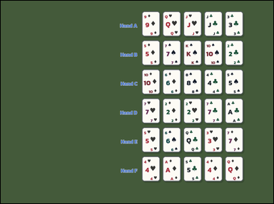 | 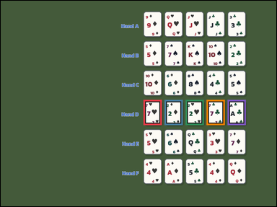 | task_games__cards__poker_best_hand_label | default | cards | default | The figure shows face-up playing cards arranged as a hand, labeled hands, or labeled candidate cards. Use standard five-card poker ranking. Compare categories first; if categories match, use the usual rank tie-breakers with Ace high. Identify the option letter for the winning poker hand. Answer format: set "answer" to only the winning poker hand option letter. Example JSON: {"answer":"B"} | {"answer": "D"} | The figure shows face-up playing cards arranged as a hand, labeled hands, or labeled candidate cards. Use standard five-card poker ranking. Compare categories first; if categories match, use the usual rank tie-breakers with Ace high. Identify the option letter for the winning poker hand. Annotation format: set "annotation" to an array of bounding boxes [x0, y0, x1, y1] for every card in the winning poker hand. Answer format: set "answer" to only the winning poker hand option letter. Example JSON: {"annotation":[[120,80,200,190],[220,80,300,190],[320,80,400,190],[420,80,500,190],[520,80,600,190]],"answer":"B"} | {"annotation": [[611.0, 424.0, 689.0, 532.0], [701.0, 424.0, 779.0, 532.0], [791.0, 424.0, 869.0, 532.0], [881.0, 424.0, 959.0, 532.0], [971.0, 424.0, 1049.0, 532.0]], "answer": "D"} | string | bbox_set | 75820810296449 | games/cards/task_games__cards__poker_best_hand_label/images/default/0045.png | games/cards/task_games__cards__poker_best_hand_label/data/default/0045.json
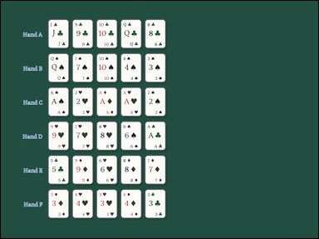 | 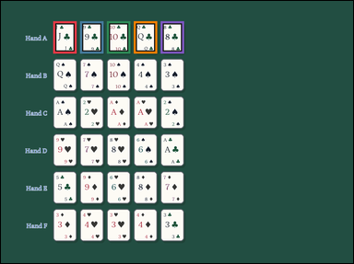 | task_games__cards__poker_best_hand_label | default | cards | default | The image shows face-up playing cards arranged as a hand, labeled hands, or labeled candidate cards. Use standard five-card poker ranking. Compare categories first; if categories match, use the usual rank tie-breakers with Ace high. Which option letter labels the winning poker hand? Answer field: set "answer" to only the winning poker hand option letter. Example JSON: {"answer":"B"} | {"answer": "A"} | The image shows face-up playing cards arranged as a hand, labeled hands, or labeled candidate cards. Use standard five-card poker ranking. Compare categories first; if categories match, use the usual rank tie-breakers with Ace high. Which option letter labels the winning poker hand? Annotation format: set "annotation" to an array of bounding boxes [x0, y0, x1, y1] for every card in the winning poker hand. Answer format: set "answer" to only the winning poker hand option letter. Example JSON: {"annotation":[[120,80,200,190],[220,80,300,190],[320,80,400,190],[420,80,500,190],[520,80,600,190]],"answer":"B"} | {"annotation": [[175.0, 68.0, 253.0, 176.0], [265.0, 68.0, 343.0, 176.0], [355.0, 68.0, 433.0, 176.0], [445.0, 68.0, 523.0, 176.0], [535.0, 68.0, 613.0, 176.0]], "answer": "A"} | string | bbox_set | 200696637839990 | games/cards/task_games__cards__poker_best_hand_label/images/default/0046.png | games/cards/task_games__cards__poker_best_hand_label/data/default/0046.json
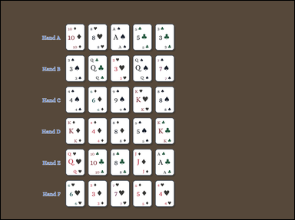 | 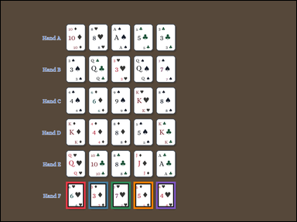 | task_games__cards__poker_best_hand_label | default | cards | default | The image shows face-up playing cards arranged as a hand, labeled hands, or labeled candidate cards. Use standard five-card poker ranking. Compare categories first; if categories match, use the usual rank tie-breakers with Ace high. Which option letter labels the winning poker hand? Final answer format: set "answer" to only the winning poker hand option letter. Example JSON: {"answer":"B"} | {"answer": "F"} | The image shows face-up playing cards arranged as a hand, labeled hands, or labeled candidate cards. Use standard five-card poker ranking. Compare categories first; if categories match, use the usual rank tie-breakers with Ace high. Which option letter labels the winning poker hand? Annotation format: set "annotation" to an array of bounding boxes [x0, y0, x1, y1] for every card in the winning poker hand. Answer format: set "answer" to only the winning poker hand option letter. Example JSON: {"annotation":[[120,80,200,190],[220,80,300,190],[320,80,400,190],[420,80,500,190],[520,80,600,190]],"answer":"B"} | {"annotation": [[260.0, 722.0, 338.0, 830.0], [350.0, 722.0, 428.0, 830.0], [440.0, 722.0, 518.0, 830.0], [530.0, 722.0, 608.0, 830.0], [620.0, 722.0, 698.0, 830.0]], "answer": "F"} | string | bbox_set | 522957440333034 | games/cards/task_games__cards__poker_best_hand_label/images/default/0001.png | games/cards/task_games__cards__poker_best_hand_label/data/default/0001.json
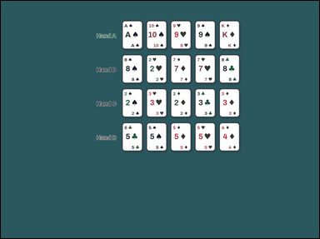 | 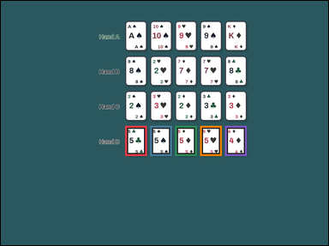 | task_games__cards__poker_best_hand_label | default | cards | default | The visual shows face-up playing cards arranged as a hand, labeled hands, or labeled candidate cards. Use standard five-card poker ranking. Compare categories first; if categories match, use the usual rank tie-breakers with Ace high. Which option letter labels the five-card hand that outranks all the others? Required answer format: set "answer" to only the winning poker hand option letter. Example JSON: {"answer":"B"} | {"answer": "D"} | The visual shows face-up playing cards arranged as a hand, labeled hands, or labeled candidate cards. Use standard five-card poker ranking. Compare categories first; if categories match, use the usual rank tie-breakers with Ace high. Which option letter labels the five-card hand that outranks all the others? Annotation format: set "annotation" to an array of bounding boxes [x0, y0, x1, y1] for every card in the winning poker hand. Answer format: set "answer" to only the winning poker hand option letter. Example JSON: {"annotation":[[120,80,200,190],[220,80,300,190],[320,80,400,190],[420,80,500,190],[520,80,600,190]],"answer":"B"} | {"annotation": [[448.0, 450.0, 526.0, 558.0], [538.0, 450.0, 616.0, 558.0], [628.0, 450.0, 706.0, 558.0], [718.0, 450.0, 796.0, 558.0], [808.0, 450.0, 886.0, 558.0]], "answer": "D"} | string | bbox_set | 732503618020658 | games/cards/task_games__cards__poker_best_hand_label/images/default/0062.png | games/cards/task_games__cards__poker_best_hand_label/data/default/0062.json
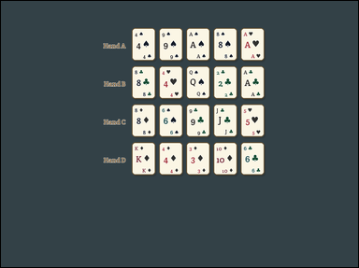 | 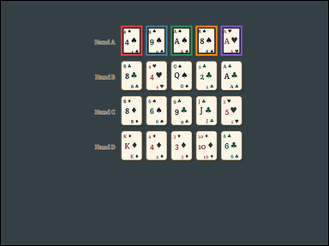 | task_games__cards__poker_best_hand_label | default | cards | default | The visual shows face-up playing cards arranged as a hand, labeled hands, or labeled candidate cards. Use standard five-card poker ranking. Compare categories first; if categories match, use the usual rank tie-breakers with Ace high. Which option letter labels the winning poker hand? Format for the "answer" field: set "answer" to only the winning poker hand option letter. Example JSON: {"answer":"B"} | {"answer": "A"} | The visual shows face-up playing cards arranged as a hand, labeled hands, or labeled candidate cards. Use standard five-card poker ranking. Compare categories first; if categories match, use the usual rank tie-breakers with Ace high. Which option letter labels the winning poker hand? Annotation format: set "annotation" to an array of bounding boxes [x0, y0, x1, y1] for every card in the winning poker hand. Answer format: set "answer" to only the winning poker hand option letter. Example JSON: {"annotation":[[120,80,200,190],[220,80,300,190],[320,80,400,190],[420,80,500,190],[520,80,600,190]],"answer":"B"} | {"annotation": [[432.0, 89.0, 510.0, 197.0], [522.0, 89.0, 600.0, 197.0], [612.0, 89.0, 690.0, 197.0], [702.0, 89.0, 780.0, 197.0], [792.0, 89.0, 870.0, 197.0]], "answer": "A"} | string | bbox_set | 889962443922779 | games/cards/task_games__cards__poker_best_hand_label/images/default/0057.png | games/cards/task_games__cards__poker_best_hand_label/data/default/0057.json
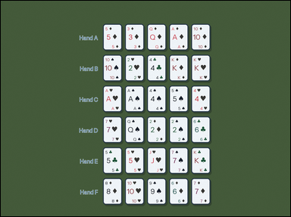 | 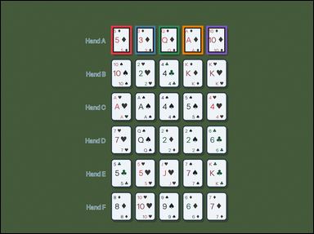 | task_games__cards__poker_best_hand_label | default | cards | default | The image shows face-up playing cards arranged as a hand, labeled hands, or labeled candidate cards. Use standard five-card poker ranking. Compare categories first; if categories match, use the usual rank tie-breakers with Ace high. Select the option letter for the strongest labeled hand. Answer format: set "answer" to only the winning poker hand option letter. Example JSON: {"answer":"B"} | {"answer": "A"} | The image shows face-up playing cards arranged as a hand, labeled hands, or labeled candidate cards. Use standard five-card poker ranking. Compare categories first; if categories match, use the usual rank tie-breakers with Ace high. Select the option letter for the strongest labeled hand. Annotation format: set "annotation" to an array of bounding boxes [x0, y0, x1, y1] for every card in the winning poker hand. Answer format: set "answer" to only the winning poker hand option letter. Example JSON: {"annotation":[[120,80,200,190],[220,80,300,190],[320,80,400,190],[420,80,500,190],[520,80,600,190]],"answer":"B"} | {"annotation": [[416.0, 94.0, 494.0, 202.0], [506.0, 94.0, 584.0, 202.0], [596.0, 94.0, 674.0, 202.0], [686.0, 94.0, 764.0, 202.0], [776.0, 94.0, 854.0, 202.0]], "answer": "A"} | string | bbox_set | 970785527250221 | games/cards/task_games__cards__poker_best_hand_label/images/default/0088.png | games/cards/task_games__cards__poker_best_hand_label/data/default/0088.json
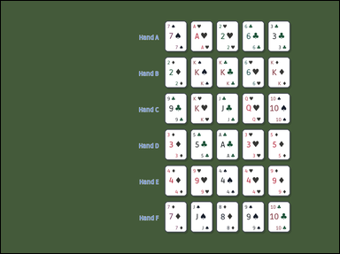 | 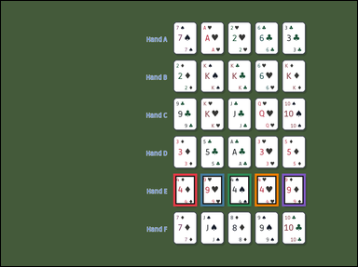 | task_games__cards__poker_best_hand_label | default | cards | default | The scene shows face-up playing cards arranged as a hand, labeled hands, or labeled candidate cards. Use standard five-card poker ranking. Compare categories first; if categories match, use the usual rank tie-breakers with Ace high. Which option letter labels the winning poker hand? Answer field: set "answer" to only the winning poker hand option letter. Example JSON: {"answer":"B"} | {"answer": "E"} | The scene shows face-up playing cards arranged as a hand, labeled hands, or labeled candidate cards. Use standard five-card poker ranking. Compare categories first; if categories match, use the usual rank tie-breakers with Ace high. Which option letter labels the winning poker hand? Annotation format: set "annotation" to an array of bounding boxes [x0, y0, x1, y1] for every card in the winning poker hand. Answer format: set "answer" to only the winning poker hand option letter. Example JSON: {"annotation":[[120,80,200,190],[220,80,300,190],[320,80,400,190],[420,80,500,190],[520,80,600,190]],"answer":"B"} | {"annotation": [[571.0, 573.0, 649.0, 681.0], [661.0, 573.0, 739.0, 681.0], [751.0, 573.0, 829.0, 681.0], [841.0, 573.0, 919.0, 681.0], [931.0, 573.0, 1009.0, 681.0]], "answer": "E"} | string | bbox_set | 1.0613315079E+15 | games/cards/task_games__cards__poker_best_hand_label/images/default/0087.png | games/cards/task_games__cards__poker_best_hand_label/data/default/0087.json
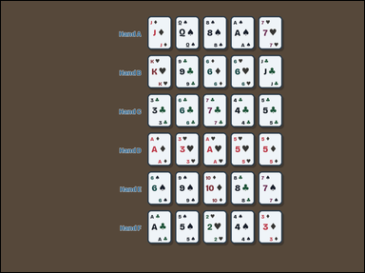 | 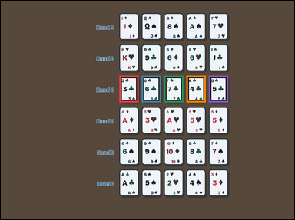 | task_games__cards__poker_best_hand_label | default | cards | default | The figure shows face-up playing cards arranged as a hand, labeled hands, or labeled candidate cards. Use standard five-card poker ranking. Compare categories first; if categories match, use the usual rank tie-breakers with Ace high. Which option letter is best under poker rules? Answer field: set "answer" to only the winning poker hand option letter. Example JSON: {"answer":"B"} | {"answer": "C"} | The figure shows face-up playing cards arranged as a hand, labeled hands, or labeled candidate cards. Use standard five-card poker ranking. Compare categories first; if categories match, use the usual rank tie-breakers with Ace high. Which option letter is best under poker rules? Required annotation format: set "annotation" to an array of bounding boxes [x0, y0, x1, y1] for every card in the winning poker hand. Required answer format: set "answer" to only the winning poker hand option letter. Example JSON: {"annotation":[[120,80,200,190],[220,80,300,190],[320,80,400,190],[420,80,500,190],[520,80,600,190]],"answer":"B"} | {"annotation": [[476.0, 301.0, 554.0, 409.0], [566.0, 301.0, 644.0, 409.0], [656.0, 301.0, 734.0, 409.0], [746.0, 301.0, 824.0, 409.0], [836.0, 301.0, 914.0, 409.0]], "answer": "C"} | string | bbox_set | 1.3468204971E+15 | games/cards/task_games__cards__poker_best_hand_label/images/default/0066.png | games/cards/task_games__cards__poker_best_hand_label/data/default/0066.json
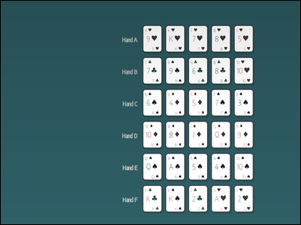 | 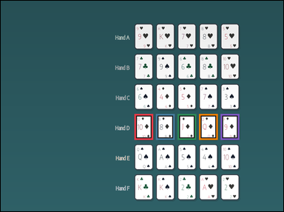 | task_games__cards__poker_best_hand_label | default | cards | default | The image shows face-up playing cards arranged as a hand, labeled hands, or labeled candidate cards. Use standard five-card poker ranking. Compare categories first; if categories match, use the usual rank tie-breakers with Ace high. Identify the option letter for the winning poker hand. Format for the "answer" field: set "answer" to only the winning poker hand option letter. Example JSON: {"answer":"B"} | {"answer": "D"} | The image shows face-up playing cards arranged as a hand, labeled hands, or labeled candidate cards. Use standard five-card poker ranking. Compare categories first; if categories match, use the usual rank tie-breakers with Ace high. Identify the option letter for the winning poker hand. Required annotation format: set "annotation" to an array of bounding boxes [x0, y0, x1, y1] for every card in the winning poker hand. Required answer format: set "answer" to only the winning poker hand option letter. Example JSON: {"annotation":[[120,80,200,190],[220,80,300,190],[320,80,400,190],[420,80,500,190],[520,80,600,190]],"answer":"B"} | {"annotation": [[558.0, 473.0, 636.0, 581.0], [648.0, 473.0, 726.0, 581.0], [738.0, 473.0, 816.0, 581.0], [828.0, 473.0, 906.0, 581.0], [918.0, 473.0, 996.0, 581.0]], "answer": "D"} | string | bbox_set | 1.4952443012E+15 | games/cards/task_games__cards__poker_best_hand_label/images/default/0025.png | games/cards/task_games__cards__poker_best_hand_label/data/default/0025.json
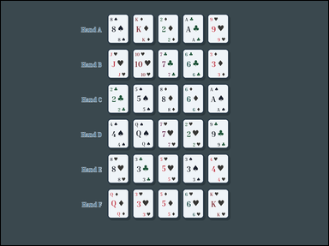 | 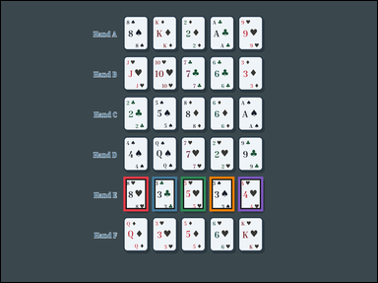 | task_games__cards__poker_best_hand_label | default | cards | default | The visual shows face-up playing cards arranged as a hand, labeled hands, or labeled candidate cards. Use standard five-card poker ranking. Compare categories first; if categories match, use the usual rank tie-breakers with Ace high. Which option letter labels the winning poker hand? Final answer format: set "answer" to only the winning poker hand option letter. Example JSON: {"answer":"B"} | {"answer": "E"} | The visual shows face-up playing cards arranged as a hand, labeled hands, or labeled candidate cards. Use standard five-card poker ranking. Compare categories first; if categories match, use the usual rank tie-breakers with Ace high. Which option letter labels the winning poker hand? Annotation format: set "annotation" to an array of bounding boxes [x0, y0, x1, y1] for every card in the winning poker hand. Answer format: set "answer" to only the winning poker hand option letter. Example JSON: {"annotation":[[120,80,200,190],[220,80,300,190],[320,80,400,190],[420,80,500,190],[520,80,600,190]],"answer":"B"} | {"annotation": [[384.0, 550.0, 462.0, 658.0], [474.0, 550.0, 552.0, 658.0], [564.0, 550.0, 642.0, 658.0], [654.0, 550.0, 732.0, 658.0], [744.0, 550.0, 822.0, 658.0]], "answer": "E"} | string | bbox_set | 1.7499469265E+15 | games/cards/task_games__cards__poker_best_hand_label/images/default/0078.png | games/cards/task_games__cards__poker_best_hand_label/data/default/0078.json
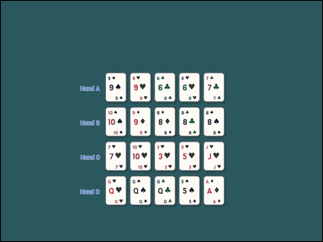 | 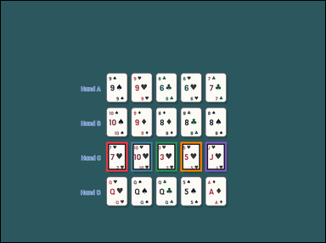 | task_games__cards__poker_best_hand_label | default | cards | default | The visual shows face-up playing cards arranged as a hand, labeled hands, or labeled candidate cards. Use standard five-card poker ranking. Compare categories first; if categories match, use the usual rank tie-breakers with Ace high. Select the option letter for the strongest labeled hand. Answer format: set "answer" to only the winning poker hand option letter. Example JSON: {"answer":"B"} | {"answer": "C"} | The visual shows face-up playing cards arranged as a hand, labeled hands, or labeled candidate cards. Use standard five-card poker ranking. Compare categories first; if categories match, use the usual rank tie-breakers with Ace high. Select the option letter for the strongest labeled hand. Annotation format: set "annotation" to an array of bounding boxes [x0, y0, x1, y1] for every card in the winning poker hand. Answer format: set "answer" to only the winning poker hand option letter. Example JSON: {"annotation":[[120,80,200,190],[220,80,300,190],[320,80,400,190],[420,80,500,190],[520,80,600,190]],"answer":"B"} | {"annotation": [[383.0, 514.0, 461.0, 622.0], [473.0, 514.0, 551.0, 622.0], [563.0, 514.0, 641.0, 622.0], [653.0, 514.0, 731.0, 622.0], [743.0, 514.0, 821.0, 622.0]], "answer": "C"} | string | bbox_set | 1.7530544288E+15 | games/cards/task_games__cards__poker_best_hand_label/images/default/0033.png | games/cards/task_games__cards__poker_best_hand_label/data/default/0033.json
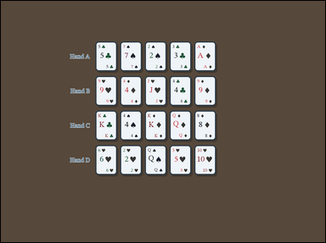 | 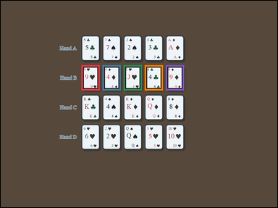 | task_games__cards__poker_best_hand_label | default | cards | default | The scene shows face-up playing cards arranged as a hand, labeled hands, or labeled candidate cards. Use standard five-card poker ranking. Compare categories first; if categories match, use the usual rank tie-breakers with Ace high. Which option letter is best under poker rules? Required answer format: set "answer" to only the winning poker hand option letter. Example JSON: {"answer":"B"} | {"answer": "B"} | The scene shows face-up playing cards arranged as a hand, labeled hands, or labeled candidate cards. Use standard five-card poker ranking. Compare categories first; if categories match, use the usual rank tie-breakers with Ace high. Which option letter is best under poker rules? Annotation format: set "annotation" to an array of bounding boxes [x0, y0, x1, y1] for every card in the winning poker hand. Answer format: set "answer" to only the winning poker hand option letter. Example JSON: {"annotation":[[120,80,200,190],[220,80,300,190],[320,80,400,190],[420,80,500,190],[520,80,600,190]],"answer":"B"} | {"annotation": [[344.0, 274.0, 422.0, 382.0], [434.0, 274.0, 512.0, 382.0], [524.0, 274.0, 602.0, 382.0], [614.0, 274.0, 692.0, 382.0], [704.0, 274.0, 782.0, 382.0]], "answer": "B"} | string | bbox_set | 1.8041344134E+15 | games/cards/task_games__cards__poker_best_hand_label/images/default/0055.png | games/cards/task_games__cards__poker_best_hand_label/data/default/0055.json
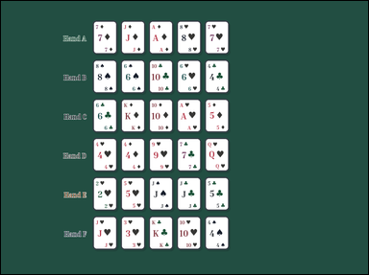 | 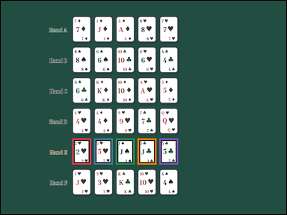 | task_games__cards__poker_best_hand_label | default | cards | default | The visual shows face-up playing cards arranged as a hand, labeled hands, or labeled candidate cards. Use standard five-card poker ranking. Compare categories first; if categories match, use the usual rank tie-breakers with Ace high. Which option letter is best under poker rules? Format for the "answer" field: set "answer" to only the winning poker hand option letter. Example JSON: {"answer":"B"} | {"answer": "E"} | The visual shows face-up playing cards arranged as a hand, labeled hands, or labeled candidate cards. Use standard five-card poker ranking. Compare categories first; if categories match, use the usual rank tie-breakers with Ace high. Which option letter is best under poker rules? Annotation format: set "annotation" to an array of bounding boxes [x0, y0, x1, y1] for every card in the winning poker hand. Answer format: set "answer" to only the winning poker hand option letter. Example JSON: {"annotation":[[120,80,200,190],[220,80,300,190],[320,80,400,190],[420,80,500,190],[520,80,600,190]],"answer":"B"} | {"annotation": [[295.0, 567.0, 373.0, 675.0], [385.0, 567.0, 463.0, 675.0], [475.0, 567.0, 553.0, 675.0], [565.0, 567.0, 643.0, 675.0], [655.0, 567.0, 733.0, 675.0]], "answer": "E"} | string | bbox_set | 1.9535934268E+15 | games/cards/task_games__cards__poker_best_hand_label/images/default/0002.png | games/cards/task_games__cards__poker_best_hand_label/data/default/0002.json
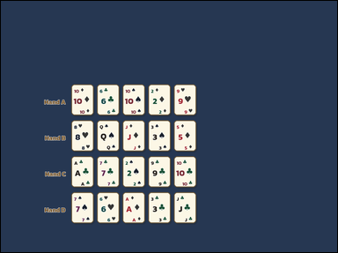 | 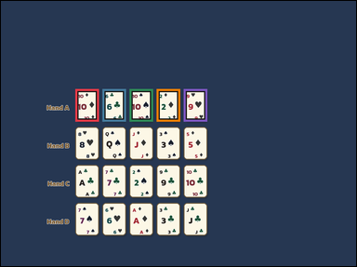 | task_games__cards__poker_best_hand_label | default | cards | default | The visual shows face-up playing cards arranged as a hand, labeled hands, or labeled candidate cards. Use standard five-card poker ranking. Compare categories first; if categories match, use the usual rank tie-breakers with Ace high. Which option letter labels the winning poker hand? Format for the "answer" field: set "answer" to only the winning poker hand option letter. Example JSON: {"answer":"B"} | {"answer": "A"} | The visual shows face-up playing cards arranged as a hand, labeled hands, or labeled candidate cards. Use standard five-card poker ranking. Compare categories first; if categories match, use the usual rank tie-breakers with Ace high. Which option letter labels the winning poker hand? Annotation format: set "annotation" to an array of bounding boxes [x0, y0, x1, y1] for every card in the winning poker hand. Answer format: set "answer" to only the winning poker hand option letter. Example JSON: {"annotation":[[120,80,200,190],[220,80,300,190],[320,80,400,190],[420,80,500,190],[520,80,600,190]],"answer":"B"} | {"annotation": [[247.0, 292.0, 325.0, 400.0], [337.0, 292.0, 415.0, 400.0], [427.0, 292.0, 505.0, 400.0], [517.0, 292.0, 595.0, 400.0], [607.0, 292.0, 685.0, 400.0]], "answer": "A"} | string | bbox_set | 1.9698259694E+15 | games/cards/task_games__cards__poker_best_hand_label/images/default/0017.png | games/cards/task_games__cards__poker_best_hand_label/data/default/0017.json
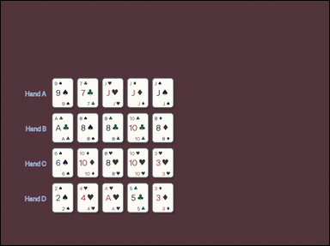 | 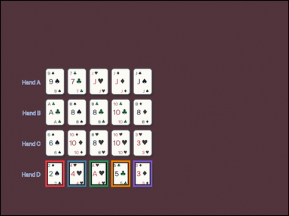 | task_games__cards__poker_best_hand_label | default | cards | default | You are shown face-up playing cards arranged as a hand, labeled hands, or labeled candidate cards. Use standard five-card poker ranking. Compare categories first; if categories match, use the usual rank tie-breakers with Ace high. Identify the option letter for the winning poker hand. Format for the "answer" field: set "answer" to only the winning poker hand option letter. Example JSON: {"answer":"B"} | {"answer": "D"} | You are shown face-up playing cards arranged as a hand, labeled hands, or labeled candidate cards. Use standard five-card poker ranking. Compare categories first; if categories match, use the usual rank tie-breakers with Ace high. Identify the option letter for the winning poker hand. Final answer format: set "answer" to only the winning poker hand option letter. Annotation format: set "annotation" to an array of bounding boxes [x0, y0, x1, y1] for every card in the winning poker hand. Example JSON: {"annotation":[[120,80,200,190],[220,80,300,190],[320,80,400,190],[420,80,500,190],[520,80,600,190]],"answer":"B"} | {"annotation": [[183.0, 655.0, 261.0, 763.0], [273.0, 655.0, 351.0, 763.0], [363.0, 655.0, 441.0, 763.0], [453.0, 655.0, 531.0, 763.0], [543.0, 655.0, 621.0, 763.0]], "answer": "D"} | string | bbox_set | 2.0389467577E+15 | games/cards/task_games__cards__poker_best_hand_label/images/default/0031.png | games/cards/task_games__cards__poker_best_hand_label/data/default/0031.json
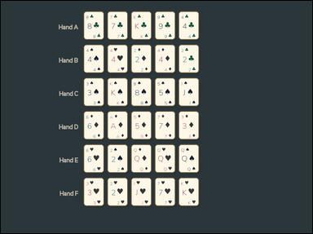 | 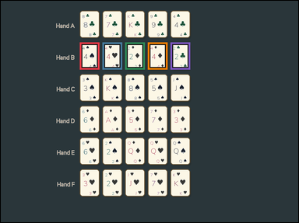 | task_games__cards__poker_best_hand_label | default | cards | default | The image shows face-up playing cards arranged as a hand, labeled hands, or labeled candidate cards. Use standard five-card poker ranking. Compare categories first; if categories match, use the usual rank tie-breakers with Ace high. Select the option letter for the strongest labeled hand. Required answer format: set "answer" to only the winning poker hand option letter. Example JSON: {"answer":"B"} | {"answer": "B"} | The image shows face-up playing cards arranged as a hand, labeled hands, or labeled candidate cards. Use standard five-card poker ranking. Compare categories first; if categories match, use the usual rank tie-breakers with Ace high. Select the option letter for the strongest labeled hand. Final answer format: set "answer" to only the winning poker hand option letter. Annotation format: set "annotation" to an array of bounding boxes [x0, y0, x1, y1] for every card in the winning poker hand. Example JSON: {"annotation":[[120,80,200,190],[220,80,300,190],[320,80,400,190],[420,80,500,190],[520,80,600,190]],"answer":"B"} | {"annotation": [[313.0, 165.0, 391.0, 273.0], [403.0, 165.0, 481.0, 273.0], [493.0, 165.0, 571.0, 273.0], [583.0, 165.0, 661.0, 273.0], [673.0, 165.0, 751.0, 273.0]], "answer": "B"} | string | bbox_set | 2.2653236295E+15 | games/cards/task_games__cards__poker_best_hand_label/images/default/0018.png | games/cards/task_games__cards__poker_best_hand_label/data/default/0018.json
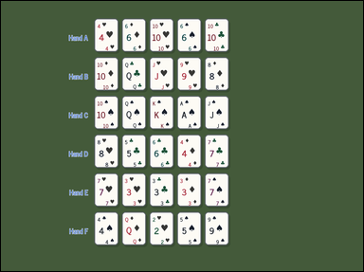 | 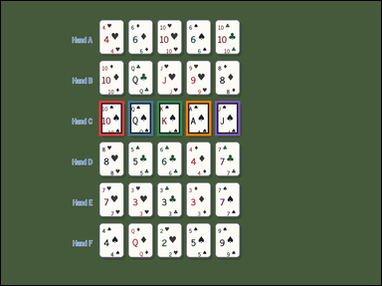 | task_games__cards__poker_best_hand_label | default | cards | default | The visual shows face-up playing cards arranged as a hand, labeled hands, or labeled candidate cards. Use standard five-card poker ranking. Compare categories first; if categories match, use the usual rank tie-breakers with Ace high. Which option letter is best under poker rules? Answer format: set "answer" to only the winning poker hand option letter. Example JSON: {"answer":"B"} | {"answer": "C"} | The visual shows face-up playing cards arranged as a hand, labeled hands, or labeled candidate cards. Use standard five-card poker ranking. Compare categories first; if categories match, use the usual rank tie-breakers with Ace high. Which option letter is best under poker rules? Annotation format: set "annotation" to an array of bounding boxes [x0, y0, x1, y1] for every card in the winning poker hand. Answer format: set "answer" to only the winning poker hand option letter. Example JSON: {"annotation":[[120,80,200,190],[220,80,300,190],[320,80,400,190],[420,80,500,190],[520,80,600,190]],"answer":"B"} | {"annotation": [[304.0, 309.0, 382.0, 417.0], [394.0, 309.0, 472.0, 417.0], [484.0, 309.0, 562.0, 417.0], [574.0, 309.0, 652.0, 417.0], [664.0, 309.0, 742.0, 417.0]], "answer": "C"} | string | bbox_set | 2.4663080548E+15 | games/cards/task_games__cards__poker_best_hand_label/images/default/0040.png | games/cards/task_games__cards__poker_best_hand_label/data/default/0040.json
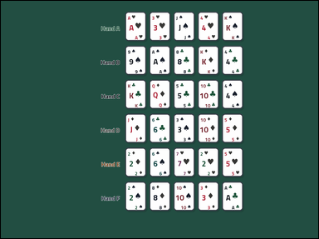 | 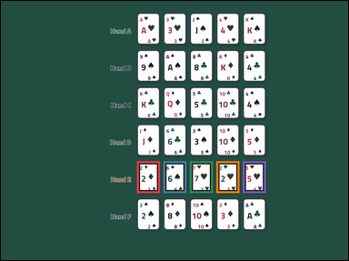 | task_games__cards__poker_best_hand_label | default | cards | default | You are shown face-up playing cards arranged as a hand, labeled hands, or labeled candidate cards. Use standard five-card poker ranking. Compare categories first; if categories match, use the usual rank tie-breakers with Ace high. Which option letter is best under poker rules? Required answer format: set "answer" to only the winning poker hand option letter. Example JSON: {"answer":"B"} | {"answer": "E"} | You are shown face-up playing cards arranged as a hand, labeled hands, or labeled candidate cards. Use standard five-card poker ranking. Compare categories first; if categories match, use the usual rank tie-breakers with Ace high. Which option letter is best under poker rules? Final answer format: set "answer" to only the winning poker hand option letter. Annotation format: set "annotation" to an array of bounding boxes [x0, y0, x1, y1] for every card in the winning poker hand. Example JSON: {"annotation":[[120,80,200,190],[220,80,300,190],[320,80,400,190],[420,80,500,190],[520,80,600,190]],"answer":"B"} | {"annotation": [[462.0, 544.0, 540.0, 652.0], [552.0, 544.0, 630.0, 652.0], [642.0, 544.0, 720.0, 652.0], [732.0, 544.0, 810.0, 652.0], [822.0, 544.0, 900.0, 652.0]], "answer": "E"} | string | bbox_set | 2.4769114364E+15 | games/cards/task_games__cards__poker_best_hand_label/images/default/0011.png | games/cards/task_games__cards__poker_best_hand_label/data/default/0011.json
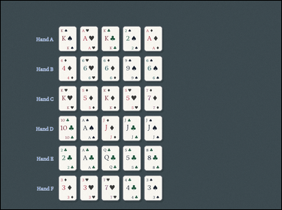 | 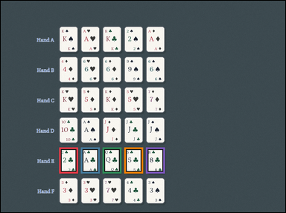 | task_games__cards__poker_best_hand_label | default | cards | default | The scene shows face-up playing cards arranged as a hand, labeled hands, or labeled candidate cards. Use standard five-card poker ranking. Compare categories first; if categories match, use the usual rank tie-breakers with Ace high. Which option letter labels the winning poker hand? Answer field: set "answer" to only the winning poker hand option letter. Example JSON: {"answer":"B"} | {"answer": "E"} | The scene shows face-up playing cards arranged as a hand, labeled hands, or labeled candidate cards. Use standard five-card poker ranking. Compare categories first; if categories match, use the usual rank tie-breakers with Ace high. Which option letter labels the winning poker hand? Annotation format: set "annotation" to an array of bounding boxes [x0, y0, x1, y1] for every card in the winning poker hand. Answer format: set "answer" to only the winning poker hand option letter. Example JSON: {"annotation":[[120,80,200,190],[220,80,300,190],[320,80,400,190],[420,80,500,190],[520,80,600,190]],"answer":"B"} | {"annotation": [[242.0, 610.0, 320.0, 718.0], [332.0, 610.0, 410.0, 718.0], [422.0, 610.0, 500.0, 718.0], [512.0, 610.0, 590.0, 718.0], [602.0, 610.0, 680.0, 718.0]], "answer": "E"} | string | bbox_set | 2.4808163584E+15 | games/cards/task_games__cards__poker_best_hand_label/images/default/0037.png | games/cards/task_games__cards__poker_best_hand_label/data/default/0037.json
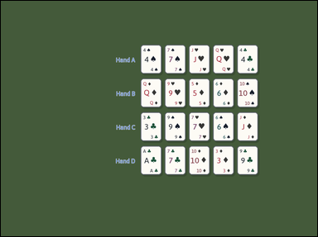 | 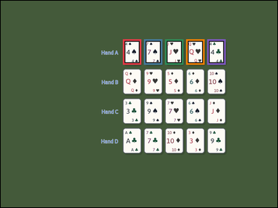 | task_games__cards__poker_best_hand_label | default | cards | default | The figure shows face-up playing cards arranged as a hand, labeled hands, or labeled candidate cards. Use standard five-card poker ranking. Compare categories first; if categories match, use the usual rank tie-breakers with Ace high. Which option letter labels the winning poker hand? Format for the "answer" field: set "answer" to only the winning poker hand option letter. Example JSON: {"answer":"B"} | {"answer": "A"} | The figure shows face-up playing cards arranged as a hand, labeled hands, or labeled candidate cards. Use standard five-card poker ranking. Compare categories first; if categories match, use the usual rank tie-breakers with Ace high. Which option letter labels the winning poker hand? Annotation format: set "annotation" to an array of bounding boxes [x0, y0, x1, y1] for every card in the winning poker hand. Answer format: set "answer" to only the winning poker hand option letter. Example JSON: {"annotation":[[120,80,200,190],[220,80,300,190],[320,80,400,190],[420,80,500,190],[520,80,600,190]],"answer":"B"} | {"annotation": [[521.0, 164.0, 599.0, 272.0], [611.0, 164.0, 689.0, 272.0], [701.0, 164.0, 779.0, 272.0], [791.0, 164.0, 869.0, 272.0], [881.0, 164.0, 959.0, 272.0]], "answer": "A"} | string | bbox_set | 2.5364804259E+15 | games/cards/task_games__cards__poker_best_hand_label/images/default/0079.png | games/cards/task_games__cards__poker_best_hand_label/data/default/0079.json
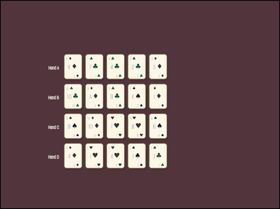 | 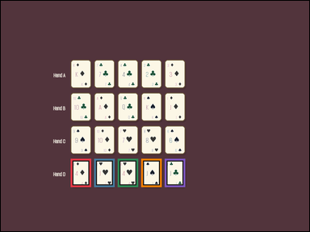 | task_games__cards__poker_best_hand_label | default | cards | default | You are shown face-up playing cards arranged as a hand, labeled hands, or labeled candidate cards. Use standard five-card poker ranking. Compare categories first; if categories match, use the usual rank tie-breakers with Ace high. Select the option letter for the strongest labeled hand. Answer field: set "answer" to only the winning poker hand option letter. Example JSON: {"answer":"B"} | {"answer": "D"} | You are shown face-up playing cards arranged as a hand, labeled hands, or labeled candidate cards. Use standard five-card poker ranking. Compare categories first; if categories match, use the usual rank tie-breakers with Ace high. Select the option letter for the strongest labeled hand. Final answer format: set "answer" to only the winning poker hand option letter. Annotation format: set "annotation" to an array of bounding boxes [x0, y0, x1, y1] for every card in the winning poker hand. Example JSON: {"annotation":[[120,80,200,190],[220,80,300,190],[320,80,400,190],[420,80,500,190],[520,80,600,190]],"answer":"B"} | {"annotation": [[267.0, 603.0, 345.0, 711.0], [357.0, 603.0, 435.0, 711.0], [447.0, 603.0, 525.0, 711.0], [537.0, 603.0, 615.0, 711.0], [627.0, 603.0, 705.0, 711.0]], "answer": "D"} | string | bbox_set | 2.6296998016E+15 | games/cards/task_games__cards__poker_best_hand_label/images/default/0065.png | games/cards/task_games__cards__poker_best_hand_label/data/default/0065.json
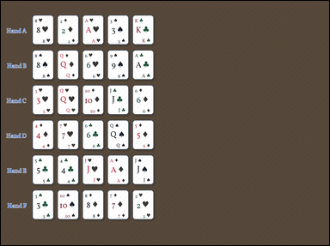 | 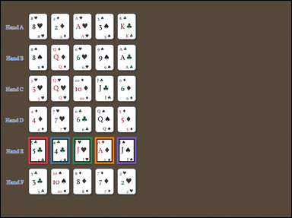 | task_games__cards__poker_best_hand_label | default | cards | default | The visual shows face-up playing cards arranged as a hand, labeled hands, or labeled candidate cards. Use standard five-card poker ranking. Compare categories first; if categories match, use the usual rank tie-breakers with Ace high. Select the option letter for the strongest labeled hand. Required answer format: set "answer" to only the winning poker hand option letter. Example JSON: {"answer":"B"} | {"answer": "E"} | The visual shows face-up playing cards arranged as a hand, labeled hands, or labeled candidate cards. Use standard five-card poker ranking. Compare categories first; if categories match, use the usual rank tie-breakers with Ace high. Select the option letter for the strongest labeled hand. Required annotation format: set "annotation" to an array of bounding boxes [x0, y0, x1, y1] for every card in the winning poker hand. Required answer format: set "answer" to only the winning poker hand option letter. Example JSON: {"annotation":[[120,80,200,190],[220,80,300,190],[320,80,400,190],[420,80,500,190],[520,80,600,190]],"answer":"B"} | {"annotation": [[112.0, 554.0, 190.0, 662.0], [202.0, 554.0, 280.0, 662.0], [292.0, 554.0, 370.0, 662.0], [382.0, 554.0, 460.0, 662.0], [472.0, 554.0, 550.0, 662.0]], "answer": "E"} | string | bbox_set | 2.7256831692E+15 | games/cards/task_games__cards__poker_best_hand_label/images/default/0092.png | games/cards/task_games__cards__poker_best_hand_label/data/default/0092.json
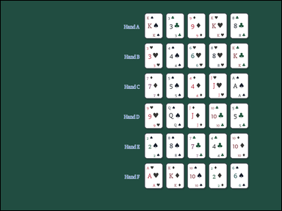 | 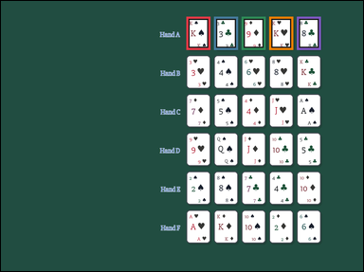 | task_games__cards__poker_best_hand_label | default | cards | default | The visual shows face-up playing cards arranged as a hand, labeled hands, or labeled candidate cards. Use standard five-card poker ranking. Compare categories first; if categories match, use the usual rank tie-breakers with Ace high. Identify the option letter for the winning poker hand. Format for the "answer" field: set "answer" to only the winning poker hand option letter. Example JSON: {"answer":"B"} | {"answer": "A"} | The visual shows face-up playing cards arranged as a hand, labeled hands, or labeled candidate cards. Use standard five-card poker ranking. Compare categories first; if categories match, use the usual rank tie-breakers with Ace high. Identify the option letter for the winning poker hand. Required annotation format: set "annotation" to an array of bounding boxes [x0, y0, x1, y1] for every card in the winning poker hand. Required answer format: set "answer" to only the winning poker hand option letter. Example JSON: {"annotation":[[120,80,200,190],[220,80,300,190],[320,80,400,190],[420,80,500,190],[520,80,600,190]],"answer":"B"} | {"annotation": [[604.0, 51.0, 682.0, 159.0], [694.0, 51.0, 772.0, 159.0], [784.0, 51.0, 862.0, 159.0], [874.0, 51.0, 952.0, 159.0], [964.0, 51.0, 1042.0, 159.0]], "answer": "A"} | string | bbox_set | 2.8126492766E+15 | games/cards/task_games__cards__poker_best_hand_label/images/default/0039.png | games/cards/task_games__cards__poker_best_hand_label/data/default/0039.json
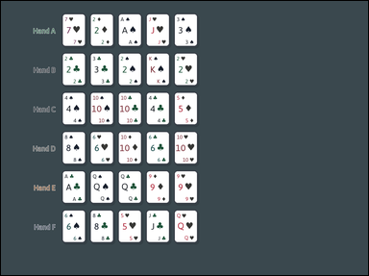 | 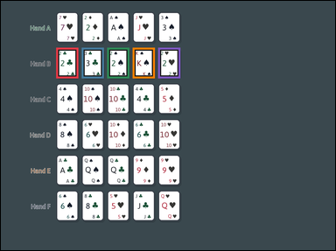 | task_games__cards__poker_best_hand_label | default | cards | default | The image shows face-up playing cards arranged as a hand, labeled hands, or labeled candidate cards. Use standard five-card poker ranking. Compare categories first; if categories match, use the usual rank tie-breakers with Ace high. Which option letter is best under poker rules? Answer field: set "answer" to only the winning poker hand option letter. Example JSON: {"answer":"B"} | {"answer": "B"} | The image shows face-up playing cards arranged as a hand, labeled hands, or labeled candidate cards. Use standard five-card poker ranking. Compare categories first; if categories match, use the usual rank tie-breakers with Ace high. Which option letter is best under poker rules? Annotation format: set "annotation" to an array of bounding boxes [x0, y0, x1, y1] for every card in the winning poker hand. Answer format: set "answer" to only the winning poker hand option letter. Example JSON: {"annotation":[[120,80,200,190],[220,80,300,190],[320,80,400,190],[420,80,500,190],[520,80,600,190]],"answer":"B"} | {"annotation": [[195.0, 165.0, 273.0, 273.0], [285.0, 165.0, 363.0, 273.0], [375.0, 165.0, 453.0, 273.0], [465.0, 165.0, 543.0, 273.0], [555.0, 165.0, 633.0, 273.0]], "answer": "B"} | string | bbox_set | 2.8326595843E+15 | games/cards/task_games__cards__poker_best_hand_label/images/default/0063.png | games/cards/task_games__cards__poker_best_hand_label/data/default/0063.json
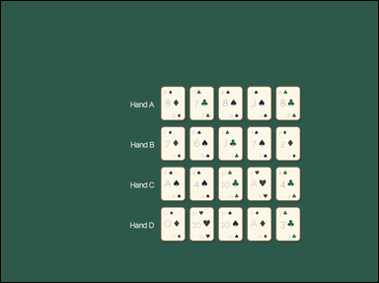 | 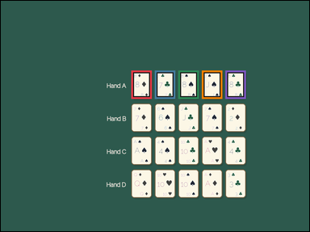 | task_games__cards__poker_best_hand_label | default | cards | default | You are shown face-up playing cards arranged as a hand, labeled hands, or labeled candidate cards. Use standard five-card poker ranking. Compare categories first; if categories match, use the usual rank tie-breakers with Ace high. Identify the option letter for the winning poker hand. Final answer format: set "answer" to only the winning poker hand option letter. Example JSON: {"answer":"B"} | {"answer": "A"} | You are shown face-up playing cards arranged as a hand, labeled hands, or labeled candidate cards. Use standard five-card poker ranking. Compare categories first; if categories match, use the usual rank tie-breakers with Ace high. Identify the option letter for the winning poker hand. Required annotation format: set "annotation" to an array of bounding boxes [x0, y0, x1, y1] for every card in the winning poker hand. Required answer format: set "answer" to only the winning poker hand option letter. Example JSON: {"annotation":[[120,80,200,190],[220,80,300,190],[320,80,400,190],[420,80,500,190],[520,80,600,190]],"answer":"B"} | {"annotation": [[499.0, 266.0, 577.0, 374.0], [589.0, 266.0, 667.0, 374.0], [679.0, 266.0, 757.0, 374.0], [769.0, 266.0, 847.0, 374.0], [859.0, 266.0, 937.0, 374.0]], "answer": "A"} | string | bbox_set | 2.9502868551E+15 | games/cards/task_games__cards__poker_best_hand_label/images/default/0082.png | games/cards/task_games__cards__poker_best_hand_label/data/default/0082.json
 |  | task_games__cards__poker_best_hand_label | default | cards | default | The scene shows face-up playing cards arranged as a hand, labeled hands, or labeled candidate cards. Use standard five-card poker ranking. Compare categories first; if categories match, use the usual rank tie-breakers with Ace high. Which option letter is best under poker rules? Answer field: set "answer" to only the winning poker hand option letter. Example JSON: {"answer":"B"} | {"answer": "C"} | The scene shows face-up playing cards arranged as a hand, labeled hands, or labeled candidate cards. Use standard five-card poker ranking. Compare categories first; if categories match, use the usual rank tie-breakers with Ace high. Which option letter is best under poker rules? Annotation format: set "annotation" to an array of bounding boxes [x0, y0, x1, y1] for every card in the winning poker hand. Answer format: set "answer" to only the winning poker hand option letter. Example JSON: {"annotation":[[120,80,200,190],[220,80,300,190],[320,80,400,190],[420,80,500,190],[520,80,600,190]],"answer":"B"} | {"annotation": [[573.0, 288.0, 651.0, 396.0], [663.0, 288.0, 741.0, 396.0], [753.0, 288.0, 831.0, 396.0], [843.0, 288.0, 921.0, 396.0], [933.0, 288.0, 1011.0, 396.0]], "answer": "C"} | string | bbox_set | 3.1125480836E+15 | games/cards/task_games__cards__poker_best_hand_label/images/default/0075.png | games/cards/task_games__cards__poker_best_hand_label/data/default/0075.json
 |  | task_games__cards__poker_best_hand_label | default | cards | default | The visual shows face-up playing cards arranged as a hand, labeled hands, or labeled candidate cards. Use standard five-card poker ranking. Compare categories first; if categories match, use the usual rank tie-breakers with Ace high. Select the option letter for the strongest labeled hand. Answer field: set "answer" to only the winning poker hand option letter. Example JSON: {"answer":"B"} | {"answer": "A"} | The visual shows face-up playing cards arranged as a hand, labeled hands, or labeled candidate cards. Use standard five-card poker ranking. Compare categories first; if categories match, use the usual rank tie-breakers with Ace high. Select the option letter for the strongest labeled hand. Required annotation format: set "annotation" to an array of bounding boxes [x0, y0, x1, y1] for every card in the winning poker hand. Required answer format: set "answer" to only the winning poker hand option letter. Example JSON: {"annotation":[[120,80,200,190],[220,80,300,190],[320,80,400,190],[420,80,500,190],[520,80,600,190]],"answer":"B"} | {"annotation": [[230.0, 94.0, 308.0, 202.0], [320.0, 94.0, 398.0, 202.0], [410.0, 94.0, 488.0, 202.0], [500.0, 94.0, 578.0, 202.0], [590.0, 94.0, 668.0, 202.0]], "answer": "A"} | string | bbox_set | 3.1177300353E+15 | games/cards/task_games__cards__poker_best_hand_label/images/default/0006.png | games/cards/task_games__cards__poker_best_hand_label/data/default/0006.json
 |  | task_games__cards__poker_best_hand_label | default | cards | default | The visual shows face-up playing cards arranged as a hand, labeled hands, or labeled candidate cards. Use standard five-card poker ranking. Compare categories first; if categories match, use the usual rank tie-breakers with Ace high. Select the option letter for the strongest labeled hand. Answer format: set "answer" to only the winning poker hand option letter. Example JSON: {"answer":"B"} | {"answer": "B"} | The visual shows face-up playing cards arranged as a hand, labeled hands, or labeled candidate cards. Use standard five-card poker ranking. Compare categories first; if categories match, use the usual rank tie-breakers with Ace high. Select the option letter for the strongest labeled hand. Annotation format: set "annotation" to an array of bounding boxes [x0, y0, x1, y1] for every card in the winning poker hand. Answer format: set "answer" to only the winning poker hand option letter. Example JSON: {"annotation":[[120,80,200,190],[220,80,300,190],[320,80,400,190],[420,80,500,190],[520,80,600,190]],"answer":"B"} | {"annotation": [[123.0, 202.0, 201.0, 310.0], [213.0, 202.0, 291.0, 310.0], [303.0, 202.0, 381.0, 310.0], [393.0, 202.0, 471.0, 310.0], [483.0, 202.0, 561.0, 310.0]], "answer": "B"} | string | bbox_set | 3.2265553927E+15 | games/cards/task_games__cards__poker_best_hand_label/images/default/0049.png | games/cards/task_games__cards__poker_best_hand_label/data/default/0049.json
 |  | task_games__cards__poker_best_hand_label | default | cards | default | The scene shows face-up playing cards arranged as a hand, labeled hands, or labeled candidate cards. Use standard five-card poker ranking. Compare categories first; if categories match, use the usual rank tie-breakers with Ace high. Identify the option letter for the winning poker hand. Answer format: set "answer" to only the winning poker hand option letter. Example JSON: {"answer":"B"} | {"answer": "A"} | The scene shows face-up playing cards arranged as a hand, labeled hands, or labeled candidate cards. Use standard five-card poker ranking. Compare categories first; if categories match, use the usual rank tie-breakers with Ace high. Identify the option letter for the winning poker hand. Required annotation format: set "annotation" to an array of bounding boxes [x0, y0, x1, y1] for every card in the winning poker hand. Required answer format: set "answer" to only the winning poker hand option letter. Example JSON: {"annotation":[[120,80,200,190],[220,80,300,190],[320,80,400,190],[420,80,500,190],[520,80,600,190]],"answer":"B"} | {"annotation": [[245.0, 306.0, 323.0, 414.0], [335.0, 306.0, 413.0, 414.0], [425.0, 306.0, 503.0, 414.0], [515.0, 306.0, 593.0, 414.0], [605.0, 306.0, 683.0, 414.0]], "answer": "A"} | string | bbox_set | 3.2449619502E+15 | games/cards/task_games__cards__poker_best_hand_label/images/default/0016.png | games/cards/task_games__cards__poker_best_hand_label/data/default/0016.json
 |  | task_games__cards__poker_best_hand_label | default | cards | default | The figure shows face-up playing cards arranged as a hand, labeled hands, or labeled candidate cards. Use standard five-card poker ranking. Compare categories first; if categories match, use the usual rank tie-breakers with Ace high. Which option letter labels the winning poker hand? Answer field: set "answer" to only the winning poker hand option letter. Example JSON: {"answer":"B"} | {"answer": "D"} | The figure shows face-up playing cards arranged as a hand, labeled hands, or labeled candidate cards. Use standard five-card poker ranking. Compare categories first; if categories match, use the usual rank tie-breakers with Ace high. Which option letter labels the winning poker hand? Annotation format: set "annotation" to an array of bounding boxes [x0, y0, x1, y1] for every card in the winning poker hand. Answer format: set "answer" to only the winning poker hand option letter. Example JSON: {"annotation":[[120,80,200,190],[220,80,300,190],[320,80,400,190],[420,80,500,190],[520,80,600,190]],"answer":"B"} | {"annotation": [[335.0, 420.0, 413.0, 528.0], [425.0, 420.0, 503.0, 528.0], [515.0, 420.0, 593.0, 528.0], [605.0, 420.0, 683.0, 528.0], [695.0, 420.0, 773.0, 528.0]], "answer": "D"} | string | bbox_set | 3.2478842098E+15 | games/cards/task_games__cards__poker_best_hand_label/images/default/0048.png | games/cards/task_games__cards__poker_best_hand_label/data/default/0048.json
 |  | task_games__cards__poker_best_hand_label | default | cards | default | The visual shows face-up playing cards arranged as a hand, labeled hands, or labeled candidate cards. Use standard five-card poker ranking. Compare categories first; if categories match, use the usual rank tie-breakers with Ace high. Which option letter labels the winning poker hand? Answer field: set "answer" to only the winning poker hand option letter. Example JSON: {"answer":"B"} | {"answer": "F"} | The visual shows face-up playing cards arranged as a hand, labeled hands, or labeled candidate cards. Use standard five-card poker ranking. Compare categories first; if categories match, use the usual rank tie-breakers with Ace high. Which option letter labels the winning poker hand? Annotation format: set "annotation" to an array of bounding boxes [x0, y0, x1, y1] for every card in the winning poker hand. Answer format: set "answer" to only the winning poker hand option letter. Example JSON: {"annotation":[[120,80,200,190],[220,80,300,190],[320,80,400,190],[420,80,500,190],[520,80,600,190]],"answer":"B"} | {"annotation": [[622.0, 704.0, 700.0, 812.0], [712.0, 704.0, 790.0, 812.0], [802.0, 704.0, 880.0, 812.0], [892.0, 704.0, 970.0, 812.0], [982.0, 704.0, 1060.0, 812.0]], "answer": "F"} | string | bbox_set | 3.2592947504E+15 | games/cards/task_games__cards__poker_best_hand_label/images/default/0084.png | games/cards/task_games__cards__poker_best_hand_label/data/default/0084.json
 |  | task_games__cards__poker_best_hand_label | default | cards | default | The figure shows face-up playing cards arranged as a hand, labeled hands, or labeled candidate cards. Use standard five-card poker ranking. Compare categories first; if categories match, use the usual rank tie-breakers with Ace high. Which option letter is best under poker rules? Answer format: set "answer" to only the winning poker hand option letter. Example JSON: {"answer":"B"} | {"answer": "D"} | The figure shows face-up playing cards arranged as a hand, labeled hands, or labeled candidate cards. Use standard five-card poker ranking. Compare categories first; if categories match, use the usual rank tie-breakers with Ace high. Which option letter is best under poker rules? Annotation format: set "annotation" to an array of bounding boxes [x0, y0, x1, y1] for every card in the winning poker hand. Answer format: set "answer" to only the winning poker hand option letter. Example JSON: {"annotation":[[120,80,200,190],[220,80,300,190],[320,80,400,190],[420,80,500,190],[520,80,600,190]],"answer":"B"} | {"annotation": [[428.0, 681.0, 506.0, 789.0], [518.0, 681.0, 596.0, 789.0], [608.0, 681.0, 686.0, 789.0], [698.0, 681.0, 776.0, 789.0], [788.0, 681.0, 866.0, 789.0]], "answer": "D"} | string | bbox_set | 3.6764779302E+15 | games/cards/task_games__cards__poker_best_hand_label/images/default/0023.png | games/cards/task_games__cards__poker_best_hand_label/data/default/0023.json
 |  | task_games__cards__poker_best_hand_label | default | cards | default | You are shown face-up playing cards arranged as a hand, labeled hands, or labeled candidate cards. Use standard five-card poker ranking. Compare categories first; if categories match, use the usual rank tie-breakers with Ace high. Which option letter is best under poker rules? Final answer format: set "answer" to only the winning poker hand option letter. Example JSON: {"answer":"B"} | {"answer": "A"} | You are shown face-up playing cards arranged as a hand, labeled hands, or labeled candidate cards. Use standard five-card poker ranking. Compare categories first; if categories match, use the usual rank tie-breakers with Ace high. Which option letter is best under poker rules? Final answer format: set "answer" to only the winning poker hand option letter. Annotation format: set "annotation" to an array of bounding boxes [x0, y0, x1, y1] for every card in the winning poker hand. Example JSON: {"annotation":[[120,80,200,190],[220,80,300,190],[320,80,400,190],[420,80,500,190],[520,80,600,190]],"answer":"B"} | {"annotation": [[312.0, 65.0, 390.0, 173.0], [402.0, 65.0, 480.0, 173.0], [492.0, 65.0, 570.0, 173.0], [582.0, 65.0, 660.0, 173.0], [672.0, 65.0, 750.0, 173.0]], "answer": "A"} | string | bbox_set | 3.9197158787E+15 | games/cards/task_games__cards__poker_best_hand_label/images/default/0050.png | games/cards/task_games__cards__poker_best_hand_label/data/default/0050.json
 |  | task_games__cards__poker_best_hand_label | default | cards | default | The visual shows face-up playing cards arranged as a hand, labeled hands, or labeled candidate cards. Use standard five-card poker ranking. Compare categories first; if categories match, use the usual rank tie-breakers with Ace high. Which option letter labels the five-card hand that outranks all the others? Answer format: set "answer" to only the winning poker hand option letter. Example JSON: {"answer":"B"} | {"answer": "D"} | The visual shows face-up playing cards arranged as a hand, labeled hands, or labeled candidate cards. Use standard five-card poker ranking. Compare categories first; if categories match, use the usual rank tie-breakers with Ace high. Which option letter labels the five-card hand that outranks all the others? Annotation format: set "annotation" to an array of bounding boxes [x0, y0, x1, y1] for every card in the winning poker hand. Answer format: set "answer" to only the winning poker hand option letter. Example JSON: {"annotation":[[120,80,200,190],[220,80,300,190],[320,80,400,190],[420,80,500,190],[520,80,600,190]],"answer":"B"} | {"annotation": [[159.0, 457.0, 237.0, 565.0], [249.0, 457.0, 327.0, 565.0], [339.0, 457.0, 417.0, 565.0], [429.0, 457.0, 507.0, 565.0], [519.0, 457.0, 597.0, 565.0]], "answer": "D"} | string | bbox_set | 3.9458617625E+15 | games/cards/task_games__cards__poker_best_hand_label/images/default/0024.png | games/cards/task_games__cards__poker_best_hand_label/data/default/0024.json
 |  | task_games__cards__poker_best_hand_label | default | cards | default | The figure shows face-up playing cards arranged as a hand, labeled hands, or labeled candidate cards. Use standard five-card poker ranking. Compare categories first; if categories match, use the usual rank tie-breakers with Ace high. Which option letter is best under poker rules? Final answer format: set "answer" to only the winning poker hand option letter. Example JSON: {"answer":"B"} | {"answer": "D"} | The figure shows face-up playing cards arranged as a hand, labeled hands, or labeled candidate cards. Use standard five-card poker ranking. Compare categories first; if categories match, use the usual rank tie-breakers with Ace high. Which option letter is best under poker rules? Annotation format: set "annotation" to an array of bounding boxes [x0, y0, x1, y1] for every card in the winning poker hand. Answer format: set "answer" to only the winning poker hand option letter. Example JSON: {"annotation":[[120,80,200,190],[220,80,300,190],[320,80,400,190],[420,80,500,190],[520,80,600,190]],"answer":"B"} | {"annotation": [[574.0, 664.0, 652.0, 772.0], [664.0, 664.0, 742.0, 772.0], [754.0, 664.0, 832.0, 772.0], [844.0, 664.0, 922.0, 772.0], [934.0, 664.0, 1012.0, 772.0]], "answer": "D"} | string | bbox_set | 4.0114309135E+15 | games/cards/task_games__cards__poker_best_hand_label/images/default/0071.png | games/cards/task_games__cards__poker_best_hand_label/data/default/0071.json
 |  | task_games__cards__poker_best_hand_label | default | cards | default | The visual shows face-up playing cards arranged as a hand, labeled hands, or labeled candidate cards. Use standard five-card poker ranking. Compare categories first; if categories match, use the usual rank tie-breakers with Ace high. Select the option letter for the strongest labeled hand. Final answer format: set "answer" to only the winning poker hand option letter. Example JSON: {"answer":"B"} | {"answer": "C"} | The visual shows face-up playing cards arranged as a hand, labeled hands, or labeled candidate cards. Use standard five-card poker ranking. Compare categories first; if categories match, use the usual rank tie-breakers with Ace high. Select the option letter for the strongest labeled hand. Annotation format: set "annotation" to an array of bounding boxes [x0, y0, x1, y1] for every card in the winning poker hand. Answer format: set "answer" to only the winning poker hand option letter. Example JSON: {"annotation":[[120,80,200,190],[220,80,300,190],[320,80,400,190],[420,80,500,190],[520,80,600,190]],"answer":"B"} | {"annotation": [[450.0, 423.0, 528.0, 531.0], [540.0, 423.0, 618.0, 531.0], [630.0, 423.0, 708.0, 531.0], [720.0, 423.0, 798.0, 531.0], [810.0, 423.0, 888.0, 531.0]], "answer": "C"} | string | bbox_set | 4.1110457345E+15 | games/cards/task_games__cards__poker_best_hand_label/images/default/0043.png | games/cards/task_games__cards__poker_best_hand_label/data/default/0043.json
 |  | task_games__cards__poker_best_hand_label | default | cards | default | The scene shows face-up playing cards arranged as a hand, labeled hands, or labeled candidate cards. Use standard five-card poker ranking. Compare categories first; if categories match, use the usual rank tie-breakers with Ace high. Select the option letter for the strongest labeled hand. Format for the "answer" field: set "answer" to only the winning poker hand option letter. Example JSON: {"answer":"B"} | {"answer": "E"} | The scene shows face-up playing cards arranged as a hand, labeled hands, or labeled candidate cards. Use standard five-card poker ranking. Compare categories first; if categories match, use the usual rank tie-breakers with Ace high. Select the option letter for the strongest labeled hand. Annotation format: set "annotation" to an array of bounding boxes [x0, y0, x1, y1] for every card in the winning poker hand. Answer format: set "answer" to only the winning poker hand option letter. Example JSON: {"annotation":[[120,80,200,190],[220,80,300,190],[320,80,400,190],[420,80,500,190],[520,80,600,190]],"answer":"B"} | {"annotation": [[557.0, 557.0, 635.0, 665.0], [647.0, 557.0, 725.0, 665.0], [737.0, 557.0, 815.0, 665.0], [827.0, 557.0, 905.0, 665.0], [917.0, 557.0, 995.0, 665.0]], "answer": "E"} | string | bbox_set | 4.1349941473E+15 | games/cards/task_games__cards__poker_best_hand_label/images/default/0000.png | games/cards/task_games__cards__poker_best_hand_label/data/default/0000.json
 |  | task_games__cards__poker_best_hand_label | default | cards | default | The image shows face-up playing cards arranged as a hand, labeled hands, or labeled candidate cards. Use standard five-card poker ranking. Compare categories first; if categories match, use the usual rank tie-breakers with Ace high. Identify the option letter for the winning poker hand. Final answer format: set "answer" to only the winning poker hand option letter. Example JSON: {"answer":"B"} | {"answer": "C"} | The image shows face-up playing cards arranged as a hand, labeled hands, or labeled candidate cards. Use standard five-card poker ranking. Compare categories first; if categories match, use the usual rank tie-breakers with Ace high. Identify the option letter for the winning poker hand. Annotation format: set "annotation" to an array of bounding boxes [x0, y0, x1, y1] for every card in the winning poker hand. Answer format: set "answer" to only the winning poker hand option letter. Example JSON: {"annotation":[[120,80,200,190],[220,80,300,190],[320,80,400,190],[420,80,500,190],[520,80,600,190]],"answer":"B"} | {"annotation": [[545.0, 463.0, 623.0, 571.0], [635.0, 463.0, 713.0, 571.0], [725.0, 463.0, 803.0, 571.0], [815.0, 463.0, 893.0, 571.0], [905.0, 463.0, 983.0, 571.0]], "answer": "C"} | string | bbox_set | 4.2189644868E+15 | games/cards/task_games__cards__poker_best_hand_label/images/default/0072.png | games/cards/task_games__cards__poker_best_hand_label/data/default/0072.json
 |  | task_games__cards__poker_best_hand_label | default | cards | default | The image shows face-up playing cards arranged as a hand, labeled hands, or labeled candidate cards. Use standard five-card poker ranking. Compare categories first; if categories match, use the usual rank tie-breakers with Ace high. Which option letter labels the five-card hand that outranks all the others? Final answer format: set "answer" to only the winning poker hand option letter. Example JSON: {"answer":"B"} | {"answer": "D"} | The image shows face-up playing cards arranged as a hand, labeled hands, or labeled candidate cards. Use standard five-card poker ranking. Compare categories first; if categories match, use the usual rank tie-breakers with Ace high. Which option letter labels the five-card hand that outranks all the others? Annotation format: set "annotation" to an array of bounding boxes [x0, y0, x1, y1] for every card in the winning poker hand. Answer format: set "answer" to only the winning poker hand option letter. Example JSON: {"annotation":[[120,80,200,190],[220,80,300,190],[320,80,400,190],[420,80,500,190],[520,80,600,190]],"answer":"B"} | {"annotation": [[127.0, 651.0, 205.0, 759.0], [217.0, 651.0, 295.0, 759.0], [307.0, 651.0, 385.0, 759.0], [397.0, 651.0, 475.0, 759.0], [487.0, 651.0, 565.0, 759.0]], "answer": "D"} | string | bbox_set | 4.3917353247E+15 | games/cards/task_games__cards__poker_best_hand_label/images/default/0070.png | games/cards/task_games__cards__poker_best_hand_label/data/default/0070.json
 |  | task_games__cards__poker_best_hand_label | default | cards | default | The image shows face-up playing cards arranged as a hand, labeled hands, or labeled candidate cards. Use standard five-card poker ranking. Compare categories first; if categories match, use the usual rank tie-breakers with Ace high. Which option letter is best under poker rules? Required answer format: set "answer" to only the winning poker hand option letter. Example JSON: {"answer":"B"} | {"answer": "C"} | The image shows face-up playing cards arranged as a hand, labeled hands, or labeled candidate cards. Use standard five-card poker ranking. Compare categories first; if categories match, use the usual rank tie-breakers with Ace high. Which option letter is best under poker rules? Annotation format: set "annotation" to an array of bounding boxes [x0, y0, x1, y1] for every card in the winning poker hand. Answer format: set "answer" to only the winning poker hand option letter. Example JSON: {"annotation":[[120,80,200,190],[220,80,300,190],[320,80,400,190],[420,80,500,190],[520,80,600,190]],"answer":"B"} | {"annotation": [[499.0, 323.0, 577.0, 431.0], [589.0, 323.0, 667.0, 431.0], [679.0, 323.0, 757.0, 431.0], [769.0, 323.0, 847.0, 431.0], [859.0, 323.0, 937.0, 431.0]], "answer": "C"} | string | bbox_set | 4.4778858019E+15 | games/cards/task_games__cards__poker_best_hand_label/images/default/0019.png | games/cards/task_games__cards__poker_best_hand_label/data/default/0019.json
 |  | task_games__cards__poker_best_hand_label | default | cards | default | The scene shows face-up playing cards arranged as a hand, labeled hands, or labeled candidate cards. Use standard five-card poker ranking. Compare categories first; if categories match, use the usual rank tie-breakers with Ace high. Which option letter labels the winning poker hand? Final answer format: set "answer" to only the winning poker hand option letter. Example JSON: {"answer":"B"} | {"answer": "B"} | The scene shows face-up playing cards arranged as a hand, labeled hands, or labeled candidate cards. Use standard five-card poker ranking. Compare categories first; if categories match, use the usual rank tie-breakers with Ace high. Which option letter labels the winning poker hand? Annotation format: set "annotation" to an array of bounding boxes [x0, y0, x1, y1] for every card in the winning poker hand. Answer format: set "answer" to only the winning poker hand option letter. Example JSON: {"annotation":[[120,80,200,190],[220,80,300,190],[320,80,400,190],[420,80,500,190],[520,80,600,190]],"answer":"B"} | {"annotation": [[562.0, 216.0, 640.0, 324.0], [652.0, 216.0, 730.0, 324.0], [742.0, 216.0, 820.0, 324.0], [832.0, 216.0, 910.0, 324.0], [922.0, 216.0, 1000.0, 324.0]], "answer": "B"} | string | bbox_set | 4.5487192029E+15 | games/cards/task_games__cards__poker_best_hand_label/images/default/0009.png | games/cards/task_games__cards__poker_best_hand_label/data/default/0009.json
 |  | task_games__cards__poker_best_hand_label | default | cards | default | You are shown face-up playing cards arranged as a hand, labeled hands, or labeled candidate cards. Use standard five-card poker ranking. Compare categories first; if categories match, use the usual rank tie-breakers with Ace high. Which option letter is best under poker rules? Final answer format: set "answer" to only the winning poker hand option letter. Example JSON: {"answer":"B"} | {"answer": "D"} | You are shown face-up playing cards arranged as a hand, labeled hands, or labeled candidate cards. Use standard five-card poker ranking. Compare categories first; if categories match, use the usual rank tie-breakers with Ace high. Which option letter is best under poker rules? Annotation format: set "annotation" to an array of bounding boxes [x0, y0, x1, y1] for every card in the winning poker hand. Answer format: set "answer" to only the winning poker hand option letter. Example JSON: {"annotation":[[120,80,200,190],[220,80,300,190],[320,80,400,190],[420,80,500,190],[520,80,600,190]],"answer":"B"} | {"annotation": [[218.0, 558.0, 296.0, 666.0], [308.0, 558.0, 386.0, 666.0], [398.0, 558.0, 476.0, 666.0], [488.0, 558.0, 566.0, 666.0], [578.0, 558.0, 656.0, 666.0]], "answer": "D"} | string | bbox_set | 4.6281341851E+15 | games/cards/task_games__cards__poker_best_hand_label/images/default/0044.png | games/cards/task_games__cards__poker_best_hand_label/data/default/0044.json
 |  | task_games__cards__poker_best_hand_label | default | cards | default | The image shows face-up playing cards arranged as a hand, labeled hands, or labeled candidate cards. Use standard five-card poker ranking. Compare categories first; if categories match, use the usual rank tie-breakers with Ace high. Which option letter labels the five-card hand that outranks all the others? Final answer format: set "answer" to only the winning poker hand option letter. Example JSON: {"answer":"B"} | {"answer": "D"} | The image shows face-up playing cards arranged as a hand, labeled hands, or labeled candidate cards. Use standard five-card poker ranking. Compare categories first; if categories match, use the usual rank tie-breakers with Ace high. Which option letter labels the five-card hand that outranks all the others? Final answer format: set "answer" to only the winning poker hand option letter. Annotation format: set "annotation" to an array of bounding boxes [x0, y0, x1, y1] for every card in the winning poker hand. Example JSON: {"annotation":[[120,80,200,190],[220,80,300,190],[320,80,400,190],[420,80,500,190],[520,80,600,190]],"answer":"B"} | {"annotation": [[362.0, 662.0, 440.0, 770.0], [452.0, 662.0, 530.0, 770.0], [542.0, 662.0, 620.0, 770.0], [632.0, 662.0, 710.0, 770.0], [722.0, 662.0, 800.0, 770.0]], "answer": "D"} | string | bbox_set | 4.6748711003E+15 | games/cards/task_games__cards__poker_best_hand_label/images/default/0061.png | games/cards/task_games__cards__poker_best_hand_label/data/default/0061.json
 |  | task_games__cards__poker_best_hand_label | default | cards | default | You are shown face-up playing cards arranged as a hand, labeled hands, or labeled candidate cards. Use standard five-card poker ranking. Compare categories first; if categories match, use the usual rank tie-breakers with Ace high. Which option letter labels the five-card hand that outranks all the others? Format for the "answer" field: set "answer" to only the winning poker hand option letter. Example JSON: {"answer":"B"} | {"answer": "B"} | You are shown face-up playing cards arranged as a hand, labeled hands, or labeled candidate cards. Use standard five-card poker ranking. Compare categories first; if categories match, use the usual rank tie-breakers with Ace high. Which option letter labels the five-card hand that outranks all the others? Final answer format: set "answer" to only the winning poker hand option letter. Annotation format: set "annotation" to an array of bounding boxes [x0, y0, x1, y1] for every card in the winning poker hand. Example JSON: {"annotation":[[120,80,200,190],[220,80,300,190],[320,80,400,190],[420,80,500,190],[520,80,600,190]],"answer":"B"} | {"annotation": [[172.0, 206.0, 250.0, 314.0], [262.0, 206.0, 340.0, 314.0], [352.0, 206.0, 430.0, 314.0], [442.0, 206.0, 520.0, 314.0], [532.0, 206.0, 610.0, 314.0]], "answer": "B"} | string | bbox_set | 4.7305934529E+15 | games/cards/task_games__cards__poker_best_hand_label/images/default/0052.png | games/cards/task_games__cards__poker_best_hand_label/data/default/0052.json
 |  | task_games__cards__poker_best_hand_label | default | cards | default | The image shows face-up playing cards arranged as a hand, labeled hands, or labeled candidate cards. Use standard five-card poker ranking. Compare categories first; if categories match, use the usual rank tie-breakers with Ace high. Which option letter labels the five-card hand that outranks all the others? Format for the "answer" field: set "answer" to only the winning poker hand option letter. Example JSON: {"answer":"B"} | {"answer": "B"} | The image shows face-up playing cards arranged as a hand, labeled hands, or labeled candidate cards. Use standard five-card poker ranking. Compare categories first; if categories match, use the usual rank tie-breakers with Ace high. Which option letter labels the five-card hand that outranks all the others? Annotation format: set "annotation" to an array of bounding boxes [x0, y0, x1, y1] for every card in the winning poker hand. Answer format: set "answer" to only the winning poker hand option letter. Example JSON: {"annotation":[[120,80,200,190],[220,80,300,190],[320,80,400,190],[420,80,500,190],[520,80,600,190]],"answer":"B"} | {"annotation": [[214.0, 197.0, 292.0, 305.0], [304.0, 197.0, 382.0, 305.0], [394.0, 197.0, 472.0, 305.0], [484.0, 197.0, 562.0, 305.0], [574.0, 197.0, 652.0, 305.0]], "answer": "B"} | string | bbox_set | 4.909114955E+15 | games/cards/task_games__cards__poker_best_hand_label/images/default/0094.png | games/cards/task_games__cards__poker_best_hand_label/data/default/0094.json
 |  | task_games__cards__poker_best_hand_label | default | cards | default | You are shown face-up playing cards arranged as a hand, labeled hands, or labeled candidate cards. Use standard five-card poker ranking. Compare categories first; if categories match, use the usual rank tie-breakers with Ace high. Which option letter labels the five-card hand that outranks all the others? Format for the "answer" field: set "answer" to only the winning poker hand option letter. Example JSON: {"answer":"B"} | {"answer": "C"} | You are shown face-up playing cards arranged as a hand, labeled hands, or labeled candidate cards. Use standard five-card poker ranking. Compare categories first; if categories match, use the usual rank tie-breakers with Ace high. Which option letter labels the five-card hand that outranks all the others? Required annotation format: set "annotation" to an array of bounding boxes [x0, y0, x1, y1] for every card in the winning poker hand. Required answer format: set "answer" to only the winning poker hand option letter. Example JSON: {"annotation":[[120,80,200,190],[220,80,300,190],[320,80,400,190],[420,80,500,190],[520,80,600,190]],"answer":"B"} | {"annotation": [[557.0, 389.0, 635.0, 497.0], [647.0, 389.0, 725.0, 497.0], [737.0, 389.0, 815.0, 497.0], [827.0, 389.0, 905.0, 497.0], [917.0, 389.0, 995.0, 497.0]], "answer": "C"} | string | bbox_set | 4.9238495739E+15 | games/cards/task_games__cards__poker_best_hand_label/images/default/0015.png | games/cards/task_games__cards__poker_best_hand_label/data/default/0015.json
 |  | task_games__cards__poker_best_hand_label | default | cards | default | The figure shows face-up playing cards arranged as a hand, labeled hands, or labeled candidate cards. Use standard five-card poker ranking. Compare categories first; if categories match, use the usual rank tie-breakers with Ace high. Which option letter labels the five-card hand that outranks all the others? Format for the "answer" field: set "answer" to only the winning poker hand option letter. Example JSON: {"answer":"B"} | {"answer": "A"} | The figure shows face-up playing cards arranged as a hand, labeled hands, or labeled candidate cards. Use standard five-card poker ranking. Compare categories first; if categories match, use the usual rank tie-breakers with Ace high. Which option letter labels the five-card hand that outranks all the others? Required annotation format: set "annotation" to an array of bounding boxes [x0, y0, x1, y1] for every card in the winning poker hand. Required answer format: set "answer" to only the winning poker hand option letter. Example JSON: {"annotation":[[120,80,200,190],[220,80,300,190],[320,80,400,190],[420,80,500,190],[520,80,600,190]],"answer":"B"} | {"annotation": [[430.0, 65.0, 508.0, 173.0], [520.0, 65.0, 598.0, 173.0], [610.0, 65.0, 688.0, 173.0], [700.0, 65.0, 778.0, 173.0], [790.0, 65.0, 868.0, 173.0]], "answer": "A"} | string | bbox_set | 4.9770055813E+15 | games/cards/task_games__cards__poker_best_hand_label/images/default/0047.png | games/cards/task_games__cards__poker_best_hand_label/data/default/0047.json
 |  | task_games__cards__poker_best_hand_label | default | cards | default | The visual shows face-up playing cards arranged as a hand, labeled hands, or labeled candidate cards. Use standard five-card poker ranking. Compare categories first; if categories match, use the usual rank tie-breakers with Ace high. Which option letter labels the winning poker hand? Final answer format: set "answer" to only the winning poker hand option letter. Example JSON: {"answer":"B"} | {"answer": "C"} | The visual shows face-up playing cards arranged as a hand, labeled hands, or labeled candidate cards. Use standard five-card poker ranking. Compare categories first; if categories match, use the usual rank tie-breakers with Ace high. Which option letter labels the winning poker hand? Annotation format: set "annotation" to an array of bounding boxes [x0, y0, x1, y1] for every card in the winning poker hand. Answer format: set "answer" to only the winning poker hand option letter. Example JSON: {"annotation":[[120,80,200,190],[220,80,300,190],[320,80,400,190],[420,80,500,190],[520,80,600,190]],"answer":"B"} | {"annotation": [[189.0, 397.0, 267.0, 505.0], [279.0, 397.0, 357.0, 505.0], [369.0, 397.0, 447.0, 505.0], [459.0, 397.0, 537.0, 505.0], [549.0, 397.0, 627.0, 505.0]], "answer": "C"} | string | bbox_set | 5.190920219E+15 | games/cards/task_games__cards__poker_best_hand_label/images/default/0027.png | games/cards/task_games__cards__poker_best_hand_label/data/default/0027.json
 |  | task_games__cards__poker_best_hand_label | default | cards | default | The figure shows face-up playing cards arranged as a hand, labeled hands, or labeled candidate cards. Use standard five-card poker ranking. Compare categories first; if categories match, use the usual rank tie-breakers with Ace high. Which option letter is best under poker rules? Answer field: set "answer" to only the winning poker hand option letter. Example JSON: {"answer":"B"} | {"answer": "C"} | The figure shows face-up playing cards arranged as a hand, labeled hands, or labeled candidate cards. Use standard five-card poker ranking. Compare categories first; if categories match, use the usual rank tie-breakers with Ace high. Which option letter is best under poker rules? Annotation format: set "annotation" to an array of bounding boxes [x0, y0, x1, y1] for every card in the winning poker hand. Answer format: set "answer" to only the winning poker hand option letter. Example JSON: {"annotation":[[120,80,200,190],[220,80,300,190],[320,80,400,190],[420,80,500,190],[520,80,600,190]],"answer":"B"} | {"annotation": [[251.0, 526.0, 329.0, 634.0], [341.0, 526.0, 419.0, 634.0], [431.0, 526.0, 509.0, 634.0], [521.0, 526.0, 599.0, 634.0], [611.0, 526.0, 689.0, 634.0]], "answer": "C"} | string | bbox_set | 5.242001826E+15 | games/cards/task_games__cards__poker_best_hand_label/images/default/0074.png | games/cards/task_games__cards__poker_best_hand_label/data/default/0074.json
 |  | task_games__cards__poker_best_hand_label | default | cards | default | The image shows face-up playing cards arranged as a hand, labeled hands, or labeled candidate cards. Use standard five-card poker ranking. Compare categories first; if categories match, use the usual rank tie-breakers with Ace high. Which option letter labels the five-card hand that outranks all the others? Answer format: set "answer" to only the winning poker hand option letter. Example JSON: {"answer":"B"} | {"answer": "A"} | The image shows face-up playing cards arranged as a hand, labeled hands, or labeled candidate cards. Use standard five-card poker ranking. Compare categories first; if categories match, use the usual rank tie-breakers with Ace high. Which option letter labels the five-card hand that outranks all the others? Required annotation format: set "annotation" to an array of bounding boxes [x0, y0, x1, y1] for every card in the winning poker hand. Required answer format: set "answer" to only the winning poker hand option letter. Example JSON: {"annotation":[[120,80,200,190],[220,80,300,190],[320,80,400,190],[420,80,500,190],[520,80,600,190]],"answer":"B"} | {"annotation": [[468.0, 48.0, 546.0, 156.0], [558.0, 48.0, 636.0, 156.0], [648.0, 48.0, 726.0, 156.0], [738.0, 48.0, 816.0, 156.0], [828.0, 48.0, 906.0, 156.0]], "answer": "A"} | string | bbox_set | 5.3884754566E+15 | games/cards/task_games__cards__poker_best_hand_label/images/default/0073.png | games/cards/task_games__cards__poker_best_hand_label/data/default/0073.json
 |  | task_games__cards__poker_best_hand_label | default | cards | default | The visual shows face-up playing cards arranged as a hand, labeled hands, or labeled candidate cards. Use standard five-card poker ranking. Compare categories first; if categories match, use the usual rank tie-breakers with Ace high. Which option letter is best under poker rules? Required answer format: set "answer" to only the winning poker hand option letter. Example JSON: {"answer":"B"} | {"answer": "A"} | The visual shows face-up playing cards arranged as a hand, labeled hands, or labeled candidate cards. Use standard five-card poker ranking. Compare categories first; if categories match, use the usual rank tie-breakers with Ace high. Which option letter is best under poker rules? Annotation format: set "annotation" to an array of bounding boxes [x0, y0, x1, y1] for every card in the winning poker hand. Answer format: set "answer" to only the winning poker hand option letter. Example JSON: {"annotation":[[120,80,200,190],[220,80,300,190],[320,80,400,190],[420,80,500,190],[520,80,600,190]],"answer":"B"} | {"annotation": [[328.0, 178.0, 406.0, 286.0], [418.0, 178.0, 496.0, 286.0], [508.0, 178.0, 586.0, 286.0], [598.0, 178.0, 676.0, 286.0], [688.0, 178.0, 766.0, 286.0]], "answer": "A"} | string | bbox_set | 5.3954212972E+15 | games/cards/task_games__cards__poker_best_hand_label/images/default/0034.png | games/cards/task_games__cards__poker_best_hand_label/data/default/0034.json
 |  | task_games__cards__poker_best_hand_label | default | cards | default | The image shows face-up playing cards arranged as a hand, labeled hands, or labeled candidate cards. Use standard five-card poker ranking. Compare categories first; if categories match, use the usual rank tie-breakers with Ace high. Which option letter is best under poker rules? Answer format: set "answer" to only the winning poker hand option letter. Example JSON: {"answer":"B"} | {"answer": "C"} | The image shows face-up playing cards arranged as a hand, labeled hands, or labeled candidate cards. Use standard five-card poker ranking. Compare categories first; if categories match, use the usual rank tie-breakers with Ace high. Which option letter is best under poker rules? Required annotation format: set "annotation" to an array of bounding boxes [x0, y0, x1, y1] for every card in the winning poker hand. Required answer format: set "answer" to only the winning poker hand option letter. Example JSON: {"annotation":[[120,80,200,190],[220,80,300,190],[320,80,400,190],[420,80,500,190],[520,80,600,190]],"answer":"B"} | {"annotation": [[610.0, 399.0, 688.0, 507.0], [700.0, 399.0, 778.0, 507.0], [790.0, 399.0, 868.0, 507.0], [880.0, 399.0, 958.0, 507.0], [970.0, 399.0, 1048.0, 507.0]], "answer": "C"} | string | bbox_set | 5.4311005702E+15 | games/cards/task_games__cards__poker_best_hand_label/images/default/0097.png | games/cards/task_games__cards__poker_best_hand_label/data/default/0097.json
 |  | task_games__cards__poker_best_hand_label | default | cards | default | You are shown face-up playing cards arranged as a hand, labeled hands, or labeled candidate cards. Use standard five-card poker ranking. Compare categories first; if categories match, use the usual rank tie-breakers with Ace high. Which option letter labels the five-card hand that outranks all the others? Format for the "answer" field: set "answer" to only the winning poker hand option letter. Example JSON: {"answer":"B"} | {"answer": "F"} | You are shown face-up playing cards arranged as a hand, labeled hands, or labeled candidate cards. Use standard five-card poker ranking. Compare categories first; if categories match, use the usual rank tie-breakers with Ace high. Which option letter labels the five-card hand that outranks all the others? Final answer format: set "answer" to only the winning poker hand option letter. Annotation format: set "annotation" to an array of bounding boxes [x0, y0, x1, y1] for every card in the winning poker hand. Example JSON: {"annotation":[[120,80,200,190],[220,80,300,190],[320,80,400,190],[420,80,500,190],[520,80,600,190]],"answer":"B"} | {"annotation": [[583.0, 735.0, 661.0, 843.0], [673.0, 735.0, 751.0, 843.0], [763.0, 735.0, 841.0, 843.0], [853.0, 735.0, 931.0, 843.0], [943.0, 735.0, 1021.0, 843.0]], "answer": "F"} | string | bbox_set | 5.4418976858E+15 | games/cards/task_games__cards__poker_best_hand_label/images/default/0004.png | games/cards/task_games__cards__poker_best_hand_label/data/default/0004.json
 |  | task_games__cards__poker_best_hand_label | default | cards | default | The figure shows face-up playing cards arranged as a hand, labeled hands, or labeled candidate cards. Use standard five-card poker ranking. Compare categories first; if categories match, use the usual rank tie-breakers with Ace high. Which option letter labels the five-card hand that outranks all the others? Format for the "answer" field: set "answer" to only the winning poker hand option letter. Example JSON: {"answer":"B"} | {"answer": "B"} | The figure shows face-up playing cards arranged as a hand, labeled hands, or labeled candidate cards. Use standard five-card poker ranking. Compare categories first; if categories match, use the usual rank tie-breakers with Ace high. Which option letter labels the five-card hand that outranks all the others? Required annotation format: set "annotation" to an array of bounding boxes [x0, y0, x1, y1] for every card in the winning poker hand. Required answer format: set "answer" to only the winning poker hand option letter. Example JSON: {"annotation":[[120,80,200,190],[220,80,300,190],[320,80,400,190],[420,80,500,190],[520,80,600,190]],"answer":"B"} | {"annotation": [[274.0, 206.0, 352.0, 314.0], [364.0, 206.0, 442.0, 314.0], [454.0, 206.0, 532.0, 314.0], [544.0, 206.0, 622.0, 314.0], [634.0, 206.0, 712.0, 314.0]], "answer": "B"} | string | bbox_set | 5.469304825E+15 | games/cards/task_games__cards__poker_best_hand_label/images/default/0007.png | games/cards/task_games__cards__poker_best_hand_label/data/default/0007.json
 |  | task_games__cards__poker_best_hand_label | default | cards | default | The visual shows face-up playing cards arranged as a hand, labeled hands, or labeled candidate cards. Use standard five-card poker ranking. Compare categories first; if categories match, use the usual rank tie-breakers with Ace high. Which option letter labels the winning poker hand? Required answer format: set "answer" to only the winning poker hand option letter. Example JSON: {"answer":"B"} | {"answer": "B"} | The visual shows face-up playing cards arranged as a hand, labeled hands, or labeled candidate cards. Use standard five-card poker ranking. Compare categories first; if categories match, use the usual rank tie-breakers with Ace high. Which option letter labels the winning poker hand? Annotation format: set "annotation" to an array of bounding boxes [x0, y0, x1, y1] for every card in the winning poker hand. Answer format: set "answer" to only the winning poker hand option letter. Example JSON: {"annotation":[[120,80,200,190],[220,80,300,190],[320,80,400,190],[420,80,500,190],[520,80,600,190]],"answer":"B"} | {"annotation": [[369.0, 268.0, 447.0, 376.0], [459.0, 268.0, 537.0, 376.0], [549.0, 268.0, 627.0, 376.0], [639.0, 268.0, 717.0, 376.0], [729.0, 268.0, 807.0, 376.0]], "answer": "B"} | string | bbox_set | 5.5081205586E+15 | games/cards/task_games__cards__poker_best_hand_label/images/default/0022.png | games/cards/task_games__cards__poker_best_hand_label/data/default/0022.json
 |  | task_games__cards__poker_best_hand_label | default | cards | default | The scene shows face-up playing cards arranged as a hand, labeled hands, or labeled candidate cards. Use standard five-card poker ranking. Compare categories first; if categories match, use the usual rank tie-breakers with Ace high. Which option letter labels the winning poker hand? Final answer format: set "answer" to only the winning poker hand option letter. Example JSON: {"answer":"B"} | {"answer": "A"} | The scene shows face-up playing cards arranged as a hand, labeled hands, or labeled candidate cards. Use standard five-card poker ranking. Compare categories first; if categories match, use the usual rank tie-breakers with Ace high. Which option letter labels the winning poker hand? Annotation format: set "annotation" to an array of bounding boxes [x0, y0, x1, y1] for every card in the winning poker hand. Answer format: set "answer" to only the winning poker hand option letter. Example JSON: {"annotation":[[120,80,200,190],[220,80,300,190],[320,80,400,190],[420,80,500,190],[520,80,600,190]],"answer":"B"} | {"annotation": [[349.0, 41.0, 427.0, 149.0], [439.0, 41.0, 517.0, 149.0], [529.0, 41.0, 607.0, 149.0], [619.0, 41.0, 697.0, 149.0], [709.0, 41.0, 787.0, 149.0]], "answer": "A"} | string | bbox_set | 5.5226413902E+15 | games/cards/task_games__cards__poker_best_hand_label/images/default/0085.png | games/cards/task_games__cards__poker_best_hand_label/data/default/0085.json
 |  | task_games__cards__poker_best_hand_label | default | cards | default | You are shown face-up playing cards arranged as a hand, labeled hands, or labeled candidate cards. Use standard five-card poker ranking. Compare categories first; if categories match, use the usual rank tie-breakers with Ace high. Which option letter labels the five-card hand that outranks all the others? Answer format: set "answer" to only the winning poker hand option letter. Example JSON: {"answer":"B"} | {"answer": "D"} | You are shown face-up playing cards arranged as a hand, labeled hands, or labeled candidate cards. Use standard five-card poker ranking. Compare categories first; if categories match, use the usual rank tie-breakers with Ace high. Which option letter labels the five-card hand that outranks all the others? Annotation format: set "annotation" to an array of bounding boxes [x0, y0, x1, y1] for every card in the winning poker hand. Answer format: set "answer" to only the winning poker hand option letter. Example JSON: {"annotation":[[120,80,200,190],[220,80,300,190],[320,80,400,190],[420,80,500,190],[520,80,600,190]],"answer":"B"} | {"annotation": [[110.0, 653.0, 188.0, 761.0], [200.0, 653.0, 278.0, 761.0], [290.0, 653.0, 368.0, 761.0], [380.0, 653.0, 458.0, 761.0], [470.0, 653.0, 548.0, 761.0]], "answer": "D"} | string | bbox_set | 5.5628791365E+15 | games/cards/task_games__cards__poker_best_hand_label/images/default/0081.png | games/cards/task_games__cards__poker_best_hand_label/data/default/0081.json
 |  | task_games__cards__poker_best_hand_label | default | cards | default | The figure shows face-up playing cards arranged as a hand, labeled hands, or labeled candidate cards. Use standard five-card poker ranking. Compare categories first; if categories match, use the usual rank tie-breakers with Ace high. Identify the option letter for the winning poker hand. Required answer format: set "answer" to only the winning poker hand option letter. Example JSON: {"answer":"B"} | {"answer": "D"} | The figure shows face-up playing cards arranged as a hand, labeled hands, or labeled candidate cards. Use standard five-card poker ranking. Compare categories first; if categories match, use the usual rank tie-breakers with Ace high. Identify the option letter for the winning poker hand. Annotation format: set "annotation" to an array of bounding boxes [x0, y0, x1, y1] for every card in the winning poker hand. Answer format: set "answer" to only the winning poker hand option letter. Example JSON: {"annotation":[[120,80,200,190],[220,80,300,190],[320,80,400,190],[420,80,500,190],[520,80,600,190]],"answer":"B"} | {"annotation": [[124.0, 477.0, 202.0, 585.0], [214.0, 477.0, 292.0, 585.0], [304.0, 477.0, 382.0, 585.0], [394.0, 477.0, 472.0, 585.0], [484.0, 477.0, 562.0, 585.0]], "answer": "D"} | string | bbox_set | 5.6293544085E+15 | games/cards/task_games__cards__poker_best_hand_label/images/default/0064.png | games/cards/task_games__cards__poker_best_hand_label/data/default/0064.json
 |  | task_games__cards__poker_best_hand_label | default | cards | default | The figure shows face-up playing cards arranged as a hand, labeled hands, or labeled candidate cards. Use standard five-card poker ranking. Compare categories first; if categories match, use the usual rank tie-breakers with Ace high. Which option letter labels the winning poker hand? Required answer format: set "answer" to only the winning poker hand option letter. Example JSON: {"answer":"B"} | {"answer": "B"} | The figure shows face-up playing cards arranged as a hand, labeled hands, or labeled candidate cards. Use standard five-card poker ranking. Compare categories first; if categories match, use the usual rank tie-breakers with Ace high. Which option letter labels the winning poker hand? Annotation format: set "annotation" to an array of bounding boxes [x0, y0, x1, y1] for every card in the winning poker hand. Answer format: set "answer" to only the winning poker hand option letter. Example JSON: {"annotation":[[120,80,200,190],[220,80,300,190],[320,80,400,190],[420,80,500,190],[520,80,600,190]],"answer":"B"} | {"annotation": [[394.0, 444.0, 472.0, 552.0], [484.0, 444.0, 562.0, 552.0], [574.0, 444.0, 652.0, 552.0], [664.0, 444.0, 742.0, 552.0], [754.0, 444.0, 832.0, 552.0]], "answer": "B"} | string | bbox_set | 5.7038683251E+15 | games/cards/task_games__cards__poker_best_hand_label/images/default/0012.png | games/cards/task_games__cards__poker_best_hand_label/data/default/0012.json
 |  | task_games__cards__poker_best_hand_label | default | cards | default | The visual shows face-up playing cards arranged as a hand, labeled hands, or labeled candidate cards. Use standard five-card poker ranking. Compare categories first; if categories match, use the usual rank tie-breakers with Ace high. Identify the option letter for the winning poker hand. Format for the "answer" field: set "answer" to only the winning poker hand option letter. Example JSON: {"answer":"B"} | {"answer": "C"} | The visual shows face-up playing cards arranged as a hand, labeled hands, or labeled candidate cards. Use standard five-card poker ranking. Compare categories first; if categories match, use the usual rank tie-breakers with Ace high. Identify the option letter for the winning poker hand. Required annotation format: set "annotation" to an array of bounding boxes [x0, y0, x1, y1] for every card in the winning poker hand. Required answer format: set "answer" to only the winning poker hand option letter. Example JSON: {"annotation":[[120,80,200,190],[220,80,300,190],[320,80,400,190],[420,80,500,190],[520,80,600,190]],"answer":"B"} | {"annotation": [[294.0, 298.0, 372.0, 406.0], [384.0, 298.0, 462.0, 406.0], [474.0, 298.0, 552.0, 406.0], [564.0, 298.0, 642.0, 406.0], [654.0, 298.0, 732.0, 406.0]], "answer": "C"} | string | bbox_set | 5.8170808439E+15 | games/cards/task_games__cards__poker_best_hand_label/images/default/0051.png | games/cards/task_games__cards__poker_best_hand_label/data/default/0051.json
 |  | task_games__cards__poker_best_hand_label | default | cards | default | You are shown face-up playing cards arranged as a hand, labeled hands, or labeled candidate cards. Use standard five-card poker ranking. Compare categories first; if categories match, use the usual rank tie-breakers with Ace high. Which option letter labels the winning poker hand? Required answer format: set "answer" to only the winning poker hand option letter. Example JSON: {"answer":"B"} | {"answer": "B"} | You are shown face-up playing cards arranged as a hand, labeled hands, or labeled candidate cards. Use standard five-card poker ranking. Compare categories first; if categories match, use the usual rank tie-breakers with Ace high. Which option letter labels the winning poker hand? Annotation format: set "annotation" to an array of bounding boxes [x0, y0, x1, y1] for every card in the winning poker hand. Answer format: set "answer" to only the winning poker hand option letter. Example JSON: {"annotation":[[120,80,200,190],[220,80,300,190],[320,80,400,190],[420,80,500,190],[520,80,600,190]],"answer":"B"} | {"annotation": [[391.0, 225.0, 469.0, 333.0], [481.0, 225.0, 559.0, 333.0], [571.0, 225.0, 649.0, 333.0], [661.0, 225.0, 739.0, 333.0], [751.0, 225.0, 829.0, 333.0]], "answer": "B"} | string | bbox_set | 5.8194075319E+15 | games/cards/task_games__cards__poker_best_hand_label/images/default/0032.png | games/cards/task_games__cards__poker_best_hand_label/data/default/0032.json
 |  | task_games__cards__poker_best_hand_label | default | cards | default | You are shown face-up playing cards arranged as a hand, labeled hands, or labeled candidate cards. Use standard five-card poker ranking. Compare categories first; if categories match, use the usual rank tie-breakers with Ace high. Which option letter is best under poker rules? Final answer format: set "answer" to only the winning poker hand option letter. Example JSON: {"answer":"B"} | {"answer": "B"} | You are shown face-up playing cards arranged as a hand, labeled hands, or labeled candidate cards. Use standard five-card poker ranking. Compare categories first; if categories match, use the usual rank tie-breakers with Ace high. Which option letter is best under poker rules? Annotation format: set "annotation" to an array of bounding boxes [x0, y0, x1, y1] for every card in the winning poker hand. Answer format: set "answer" to only the winning poker hand option letter. Example JSON: {"annotation":[[120,80,200,190],[220,80,300,190],[320,80,400,190],[420,80,500,190],[520,80,600,190]],"answer":"B"} | {"annotation": [[279.0, 190.0, 357.0, 298.0], [369.0, 190.0, 447.0, 298.0], [459.0, 190.0, 537.0, 298.0], [549.0, 190.0, 627.0, 298.0], [639.0, 190.0, 717.0, 298.0]], "answer": "B"} | string | bbox_set | 5.8210676093E+15 | games/cards/task_games__cards__poker_best_hand_label/images/default/0029.png | games/cards/task_games__cards__poker_best_hand_label/data/default/0029.json
 |  | task_games__cards__poker_best_hand_label | default | cards | default | The figure shows face-up playing cards arranged as a hand, labeled hands, or labeled candidate cards. Use standard five-card poker ranking. Compare categories first; if categories match, use the usual rank tie-breakers with Ace high. Select the option letter for the strongest labeled hand. Final answer format: set "answer" to only the winning poker hand option letter. Example JSON: {"answer":"B"} | {"answer": "C"} | The figure shows face-up playing cards arranged as a hand, labeled hands, or labeled candidate cards. Use standard five-card poker ranking. Compare categories first; if categories match, use the usual rank tie-breakers with Ace high. Select the option letter for the strongest labeled hand. Annotation format: set "annotation" to an array of bounding boxes [x0, y0, x1, y1] for every card in the winning poker hand. Answer format: set "answer" to only the winning poker hand option letter. Example JSON: {"annotation":[[120,80,200,190],[220,80,300,190],[320,80,400,190],[420,80,500,190],[520,80,600,190]],"answer":"B"} | {"annotation": [[127.0, 361.0, 205.0, 469.0], [217.0, 361.0, 295.0, 469.0], [307.0, 361.0, 385.0, 469.0], [397.0, 361.0, 475.0, 469.0], [487.0, 361.0, 565.0, 469.0]], "answer": "C"} | string | bbox_set | 5.8512215243E+15 | games/cards/task_games__cards__poker_best_hand_label/images/default/0021.png | games/cards/task_games__cards__poker_best_hand_label/data/default/0021.json
 |  | task_games__cards__poker_best_hand_label | default | cards | default | The visual shows face-up playing cards arranged as a hand, labeled hands, or labeled candidate cards. Use standard five-card poker ranking. Compare categories first; if categories match, use the usual rank tie-breakers with Ace high. Which option letter labels the winning poker hand? Required answer format: set "answer" to only the winning poker hand option letter. Example JSON: {"answer":"B"} | {"answer": "A"} | The visual shows face-up playing cards arranged as a hand, labeled hands, or labeled candidate cards. Use standard five-card poker ranking. Compare categories first; if categories match, use the usual rank tie-breakers with Ace high. Which option letter labels the winning poker hand? Annotation format: set "annotation" to an array of bounding boxes [x0, y0, x1, y1] for every card in the winning poker hand. Answer format: set "answer" to only the winning poker hand option letter. Example JSON: {"annotation":[[120,80,200,190],[220,80,300,190],[320,80,400,190],[420,80,500,190],[520,80,600,190]],"answer":"B"} | {"annotation": [[634.0, 105.0, 712.0, 213.0], [724.0, 105.0, 802.0, 213.0], [814.0, 105.0, 892.0, 213.0], [904.0, 105.0, 982.0, 213.0], [994.0, 105.0, 1072.0, 213.0]], "answer": "A"} | string | bbox_set | 5.8614581303E+15 | games/cards/task_games__cards__poker_best_hand_label/images/default/0086.png | games/cards/task_games__cards__poker_best_hand_label/data/default/0086.json
 |  | task_games__cards__poker_best_hand_label | default | cards | default | The figure shows face-up playing cards arranged as a hand, labeled hands, or labeled candidate cards. Use standard five-card poker ranking. Compare categories first; if categories match, use the usual rank tie-breakers with Ace high. Which option letter is best under poker rules? Format for the "answer" field: set "answer" to only the winning poker hand option letter. Example JSON: {"answer":"B"} | {"answer": "E"} | The figure shows face-up playing cards arranged as a hand, labeled hands, or labeled candidate cards. Use standard five-card poker ranking. Compare categories first; if categories match, use the usual rank tie-breakers with Ace high. Which option letter is best under poker rules? Final answer format: set "answer" to only the winning poker hand option letter. Annotation format: set "annotation" to an array of bounding boxes [x0, y0, x1, y1] for every card in the winning poker hand. Example JSON: {"annotation":[[120,80,200,190],[220,80,300,190],[320,80,400,190],[420,80,500,190],[520,80,600,190]],"answer":"B"} | {"annotation": [[572.0, 558.0, 650.0, 666.0], [662.0, 558.0, 740.0, 666.0], [752.0, 558.0, 830.0, 666.0], [842.0, 558.0, 920.0, 666.0], [932.0, 558.0, 1010.0, 666.0]], "answer": "E"} | string | bbox_set | 5.8974075367E+15 | games/cards/task_games__cards__poker_best_hand_label/images/default/0095.png | games/cards/task_games__cards__poker_best_hand_label/data/default/0095.json
 |  | task_games__cards__poker_best_hand_label | default | cards | default | The scene shows face-up playing cards arranged as a hand, labeled hands, or labeled candidate cards. Use standard five-card poker ranking. Compare categories first; if categories match, use the usual rank tie-breakers with Ace high. Which option letter labels the winning poker hand? Required answer format: set "answer" to only the winning poker hand option letter. Example JSON: {"answer":"B"} | {"answer": "D"} | The scene shows face-up playing cards arranged as a hand, labeled hands, or labeled candidate cards. Use standard five-card poker ranking. Compare categories first; if categories match, use the usual rank tie-breakers with Ace high. Which option letter labels the winning poker hand? Required annotation format: set "annotation" to an array of bounding boxes [x0, y0, x1, y1] for every card in the winning poker hand. Required answer format: set "answer" to only the winning poker hand option letter. Example JSON: {"annotation":[[120,80,200,190],[220,80,300,190],[320,80,400,190],[420,80,500,190],[520,80,600,190]],"answer":"B"} | {"annotation": [[304.0, 451.0, 382.0, 559.0], [394.0, 451.0, 472.0, 559.0], [484.0, 451.0, 562.0, 559.0], [574.0, 451.0, 652.0, 559.0], [664.0, 451.0, 742.0, 559.0]], "answer": "D"} | string | bbox_set | 5.9205410415E+15 | games/cards/task_games__cards__poker_best_hand_label/images/default/0008.png | games/cards/task_games__cards__poker_best_hand_label/data/default/0008.json
 |  | task_games__cards__poker_best_hand_label | default | cards | default | The visual shows face-up playing cards arranged as a hand, labeled hands, or labeled candidate cards. Use standard five-card poker ranking. Compare categories first; if categories match, use the usual rank tie-breakers with Ace high. Which option letter labels the five-card hand that outranks all the others? Answer format: set "answer" to only the winning poker hand option letter. Example JSON: {"answer":"B"} | {"answer": "D"} | The visual shows face-up playing cards arranged as a hand, labeled hands, or labeled candidate cards. Use standard five-card poker ranking. Compare categories first; if categories match, use the usual rank tie-breakers with Ace high. Which option letter labels the five-card hand that outranks all the others? Annotation format: set "annotation" to an array of bounding boxes [x0, y0, x1, y1] for every card in the winning poker hand. Answer format: set "answer" to only the winning poker hand option letter. Example JSON: {"annotation":[[120,80,200,190],[220,80,300,190],[320,80,400,190],[420,80,500,190],[520,80,600,190]],"answer":"B"} | {"annotation": [[299.0, 431.0, 377.0, 539.0], [389.0, 431.0, 467.0, 539.0], [479.0, 431.0, 557.0, 539.0], [569.0, 431.0, 647.0, 539.0], [659.0, 431.0, 737.0, 539.0]], "answer": "D"} | string | bbox_set | 6.3799529208E+15 | games/cards/task_games__cards__poker_best_hand_label/images/default/0013.png | games/cards/task_games__cards__poker_best_hand_label/data/default/0013.json
 |  | task_games__cards__poker_best_hand_label | default | cards | default | The image shows face-up playing cards arranged as a hand, labeled hands, or labeled candidate cards. Use standard five-card poker ranking. Compare categories first; if categories match, use the usual rank tie-breakers with Ace high. Select the option letter for the strongest labeled hand. Format for the "answer" field: set "answer" to only the winning poker hand option letter. Example JSON: {"answer":"B"} | {"answer": "D"} | The image shows face-up playing cards arranged as a hand, labeled hands, or labeled candidate cards. Use standard five-card poker ranking. Compare categories first; if categories match, use the usual rank tie-breakers with Ace high. Select the option letter for the strongest labeled hand. Annotation format: set "annotation" to an array of bounding boxes [x0, y0, x1, y1] for every card in the winning poker hand. Answer format: set "answer" to only the winning poker hand option letter. Example JSON: {"annotation":[[120,80,200,190],[220,80,300,190],[320,80,400,190],[420,80,500,190],[520,80,600,190]],"answer":"B"} | {"annotation": [[572.0, 418.0, 650.0, 526.0], [662.0, 418.0, 740.0, 526.0], [752.0, 418.0, 830.0, 526.0], [842.0, 418.0, 920.0, 526.0], [932.0, 418.0, 1010.0, 526.0]], "answer": "D"} | string | bbox_set | 6.3925438738E+15 | games/cards/task_games__cards__poker_best_hand_label/images/default/0036.png | games/cards/task_games__cards__poker_best_hand_label/data/default/0036.json
 |  | task_games__cards__poker_best_hand_label | default | cards | default | The figure shows face-up playing cards arranged as a hand, labeled hands, or labeled candidate cards. Use standard five-card poker ranking. Compare categories first; if categories match, use the usual rank tie-breakers with Ace high. Identify the option letter for the winning poker hand. Required answer format: set "answer" to only the winning poker hand option letter. Example JSON: {"answer":"B"} | {"answer": "B"} | The figure shows face-up playing cards arranged as a hand, labeled hands, or labeled candidate cards. Use standard five-card poker ranking. Compare categories first; if categories match, use the usual rank tie-breakers with Ace high. Identify the option letter for the winning poker hand. Annotation format: set "annotation" to an array of bounding boxes [x0, y0, x1, y1] for every card in the winning poker hand. Answer format: set "answer" to only the winning poker hand option letter. Example JSON: {"annotation":[[120,80,200,190],[220,80,300,190],[320,80,400,190],[420,80,500,190],[520,80,600,190]],"answer":"B"} | {"annotation": [[228.0, 199.0, 306.0, 307.0], [318.0, 199.0, 396.0, 307.0], [408.0, 199.0, 486.0, 307.0], [498.0, 199.0, 576.0, 307.0], [588.0, 199.0, 666.0, 307.0]], "answer": "B"} | string | bbox_set | 6.4346296419E+15 | games/cards/task_games__cards__poker_best_hand_label/images/default/0091.png | games/cards/task_games__cards__poker_best_hand_label/data/default/0091.json
 |  | task_games__cards__poker_best_hand_label | default | cards | default | You are shown face-up playing cards arranged as a hand, labeled hands, or labeled candidate cards. Use standard five-card poker ranking. Compare categories first; if categories match, use the usual rank tie-breakers with Ace high. Which option letter is best under poker rules? Format for the "answer" field: set "answer" to only the winning poker hand option letter. Example JSON: {"answer":"B"} | {"answer": "B"} | You are shown face-up playing cards arranged as a hand, labeled hands, or labeled candidate cards. Use standard five-card poker ranking. Compare categories first; if categories match, use the usual rank tie-breakers with Ace high. Which option letter is best under poker rules? Annotation format: set "annotation" to an array of bounding boxes [x0, y0, x1, y1] for every card in the winning poker hand. Answer format: set "answer" to only the winning poker hand option letter. Example JSON: {"annotation":[[120,80,200,190],[220,80,300,190],[320,80,400,190],[420,80,500,190],[520,80,600,190]],"answer":"B"} | {"annotation": [[471.0, 252.0, 549.0, 360.0], [561.0, 252.0, 639.0, 360.0], [651.0, 252.0, 729.0, 360.0], [741.0, 252.0, 819.0, 360.0], [831.0, 252.0, 909.0, 360.0]], "answer": "B"} | string | bbox_set | 6.4763910567E+15 | games/cards/task_games__cards__poker_best_hand_label/images/default/0028.png | games/cards/task_games__cards__poker_best_hand_label/data/default/0028.json
 |  | task_games__cards__poker_best_hand_label | default | cards | default | The visual shows face-up playing cards arranged as a hand, labeled hands, or labeled candidate cards. Use standard five-card poker ranking. Compare categories first; if categories match, use the usual rank tie-breakers with Ace high. Select the option letter for the strongest labeled hand. Required answer format: set "answer" to only the winning poker hand option letter. Example JSON: {"answer":"B"} | {"answer": "A"} | The visual shows face-up playing cards arranged as a hand, labeled hands, or labeled candidate cards. Use standard five-card poker ranking. Compare categories first; if categories match, use the usual rank tie-breakers with Ace high. Select the option letter for the strongest labeled hand. Annotation format: set "annotation" to an array of bounding boxes [x0, y0, x1, y1] for every card in the winning poker hand. Answer format: set "answer" to only the winning poker hand option letter. Example JSON: {"annotation":[[120,80,200,190],[220,80,300,190],[320,80,400,190],[420,80,500,190],[520,80,600,190]],"answer":"B"} | {"annotation": [[241.0, 44.0, 319.0, 152.0], [331.0, 44.0, 409.0, 152.0], [421.0, 44.0, 499.0, 152.0], [511.0, 44.0, 589.0, 152.0], [601.0, 44.0, 679.0, 152.0]], "answer": "A"} | string | bbox_set | 6.5043295876E+15 | games/cards/task_games__cards__poker_best_hand_label/images/default/0077.png | games/cards/task_games__cards__poker_best_hand_label/data/default/0077.json
 |  | task_games__cards__poker_best_hand_label | default | cards | default | You are shown face-up playing cards arranged as a hand, labeled hands, or labeled candidate cards. Use standard five-card poker ranking. Compare categories first; if categories match, use the usual rank tie-breakers with Ace high. Select the option letter for the strongest labeled hand. Answer field: set "answer" to only the winning poker hand option letter. Example JSON: {"answer":"B"} | {"answer": "A"} | You are shown face-up playing cards arranged as a hand, labeled hands, or labeled candidate cards. Use standard five-card poker ranking. Compare categories first; if categories match, use the usual rank tie-breakers with Ace high. Select the option letter for the strongest labeled hand. Final answer format: set "answer" to only the winning poker hand option letter. Annotation format: set "annotation" to an array of bounding boxes [x0, y0, x1, y1] for every card in the winning poker hand. Example JSON: {"annotation":[[120,80,200,190],[220,80,300,190],[320,80,400,190],[420,80,500,190],[520,80,600,190]],"answer":"B"} | {"annotation": [[278.0, 70.0, 356.0, 178.0], [368.0, 70.0, 446.0, 178.0], [458.0, 70.0, 536.0, 178.0], [548.0, 70.0, 626.0, 178.0], [638.0, 70.0, 716.0, 178.0]], "answer": "A"} | string | bbox_set | 6.5553476862E+15 | games/cards/task_games__cards__poker_best_hand_label/images/default/0093.png | games/cards/task_games__cards__poker_best_hand_label/data/default/0093.json
 |  | task_games__cards__poker_best_hand_label | default | cards | default | The visual shows face-up playing cards arranged as a hand, labeled hands, or labeled candidate cards. Use standard five-card poker ranking. Compare categories first; if categories match, use the usual rank tie-breakers with Ace high. Identify the option letter for the winning poker hand. Final answer format: set "answer" to only the winning poker hand option letter. Example JSON: {"answer":"B"} | {"answer": "C"} | The visual shows face-up playing cards arranged as a hand, labeled hands, or labeled candidate cards. Use standard five-card poker ranking. Compare categories first; if categories match, use the usual rank tie-breakers with Ace high. Identify the option letter for the winning poker hand. Required annotation format: set "annotation" to an array of bounding boxes [x0, y0, x1, y1] for every card in the winning poker hand. Required answer format: set "answer" to only the winning poker hand option letter. Example JSON: {"annotation":[[120,80,200,190],[220,80,300,190],[320,80,400,190],[420,80,500,190],[520,80,600,190]],"answer":"B"} | {"annotation": [[204.0, 425.0, 282.0, 533.0], [294.0, 425.0, 372.0, 533.0], [384.0, 425.0, 462.0, 533.0], [474.0, 425.0, 552.0, 533.0], [564.0, 425.0, 642.0, 533.0]], "answer": "C"} | string | bbox_set | 6.6575091699E+15 | games/cards/task_games__cards__poker_best_hand_label/images/default/0098.png | games/cards/task_games__cards__poker_best_hand_label/data/default/0098.json
 |  | task_games__cards__poker_best_hand_label | default | cards | default | The image shows face-up playing cards arranged as a hand, labeled hands, or labeled candidate cards. Use standard five-card poker ranking. Compare categories first; if categories match, use the usual rank tie-breakers with Ace high. Which option letter is best under poker rules? Answer format: set "answer" to only the winning poker hand option letter. Example JSON: {"answer":"B"} | {"answer": "F"} | The image shows face-up playing cards arranged as a hand, labeled hands, or labeled candidate cards. Use standard five-card poker ranking. Compare categories first; if categories match, use the usual rank tie-breakers with Ace high. Which option letter is best under poker rules? Annotation format: set "annotation" to an array of bounding boxes [x0, y0, x1, y1] for every card in the winning poker hand. Answer format: set "answer" to only the winning poker hand option letter. Example JSON: {"annotation":[[120,80,200,190],[220,80,300,190],[320,80,400,190],[420,80,500,190],[520,80,600,190]],"answer":"B"} | {"annotation": [[398.0, 663.0, 476.0, 771.0], [488.0, 663.0, 566.0, 771.0], [578.0, 663.0, 656.0, 771.0], [668.0, 663.0, 746.0, 771.0], [758.0, 663.0, 836.0, 771.0]], "answer": "F"} | string | bbox_set | 6.6669260291E+15 | games/cards/task_games__cards__poker_best_hand_label/images/default/0069.png | games/cards/task_games__cards__poker_best_hand_label/data/default/0069.json
 |  | task_games__cards__poker_best_hand_label | default | cards | default | The scene shows face-up playing cards arranged as a hand, labeled hands, or labeled candidate cards. Use standard five-card poker ranking. Compare categories first; if categories match, use the usual rank tie-breakers with Ace high. Which option letter is best under poker rules? Final answer format: set "answer" to only the winning poker hand option letter. Example JSON: {"answer":"B"} | {"answer": "A"} | The scene shows face-up playing cards arranged as a hand, labeled hands, or labeled candidate cards. Use standard five-card poker ranking. Compare categories first; if categories match, use the usual rank tie-breakers with Ace high. Which option letter is best under poker rules? Final answer format: set "answer" to only the winning poker hand option letter. Annotation format: set "annotation" to an array of bounding boxes [x0, y0, x1, y1] for every card in the winning poker hand. Example JSON: {"annotation":[[120,80,200,190],[220,80,300,190],[320,80,400,190],[420,80,500,190],[520,80,600,190]],"answer":"B"} | {"annotation": [[585.0, 273.0, 663.0, 381.0], [675.0, 273.0, 753.0, 381.0], [765.0, 273.0, 843.0, 381.0], [855.0, 273.0, 933.0, 381.0], [945.0, 273.0, 1023.0, 381.0]], "answer": "A"} | string | bbox_set | 6.8643253577E+15 | games/cards/task_games__cards__poker_best_hand_label/images/default/0090.png | games/cards/task_games__cards__poker_best_hand_label/data/default/0090.json
 |  | task_games__cards__poker_best_hand_label | default | cards | default | You are shown face-up playing cards arranged as a hand, labeled hands, or labeled candidate cards. Use standard five-card poker ranking. Compare categories first; if categories match, use the usual rank tie-breakers with Ace high. Which option letter labels the five-card hand that outranks all the others? Answer field: set "answer" to only the winning poker hand option letter. Example JSON: {"answer":"B"} | {"answer": "D"} | You are shown face-up playing cards arranged as a hand, labeled hands, or labeled candidate cards. Use standard five-card poker ranking. Compare categories first; if categories match, use the usual rank tie-breakers with Ace high. Which option letter labels the five-card hand that outranks all the others? Final answer format: set "answer" to only the winning poker hand option letter. Annotation format: set "annotation" to an array of bounding boxes [x0, y0, x1, y1] for every card in the winning poker hand. Example JSON: {"annotation":[[120,80,200,190],[220,80,300,190],[320,80,400,190],[420,80,500,190],[520,80,600,190]],"answer":"B"} | {"annotation": [[636.0, 509.0, 714.0, 617.0], [726.0, 509.0, 804.0, 617.0], [816.0, 509.0, 894.0, 617.0], [906.0, 509.0, 984.0, 617.0], [996.0, 509.0, 1074.0, 617.0]], "answer": "D"} | string | bbox_set | 6.883069825E+15 | games/cards/task_games__cards__poker_best_hand_label/images/default/0035.png | games/cards/task_games__cards__poker_best_hand_label/data/default/0035.json
 |  | task_games__cards__poker_best_hand_label | default | cards | default | The figure shows face-up playing cards arranged as a hand, labeled hands, or labeled candidate cards. Use standard five-card poker ranking. Compare categories first; if categories match, use the usual rank tie-breakers with Ace high. Identify the option letter for the winning poker hand. Final answer format: set "answer" to only the winning poker hand option letter. Example JSON: {"answer":"B"} | {"answer": "C"} | The figure shows face-up playing cards arranged as a hand, labeled hands, or labeled candidate cards. Use standard five-card poker ranking. Compare categories first; if categories match, use the usual rank tie-breakers with Ace high. Identify the option letter for the winning poker hand. Final answer format: set "answer" to only the winning poker hand option letter. Annotation format: set "annotation" to an array of bounding boxes [x0, y0, x1, y1] for every card in the winning poker hand. Example JSON: {"annotation":[[120,80,200,190],[220,80,300,190],[320,80,400,190],[420,80,500,190],[520,80,600,190]],"answer":"B"} | {"annotation": [[532.0, 302.0, 610.0, 410.0], [622.0, 302.0, 700.0, 410.0], [712.0, 302.0, 790.0, 410.0], [802.0, 302.0, 880.0, 410.0], [892.0, 302.0, 970.0, 410.0]], "answer": "C"} | string | bbox_set | 6.9835527013E+15 | games/cards/task_games__cards__poker_best_hand_label/images/default/0067.png | games/cards/task_games__cards__poker_best_hand_label/data/default/0067.json
 |  | task_games__cards__poker_best_hand_label | default | cards | default | The visual shows face-up playing cards arranged as a hand, labeled hands, or labeled candidate cards. Use standard five-card poker ranking. Compare categories first; if categories match, use the usual rank tie-breakers with Ace high. Which option letter labels the winning poker hand? Final answer format: set "answer" to only the winning poker hand option letter. Example JSON: {"answer":"B"} | {"answer": "D"} | The visual shows face-up playing cards arranged as a hand, labeled hands, or labeled candidate cards. Use standard five-card poker ranking. Compare categories first; if categories match, use the usual rank tie-breakers with Ace high. Which option letter labels the winning poker hand? Annotation format: set "annotation" to an array of bounding boxes [x0, y0, x1, y1] for every card in the winning poker hand. Answer format: set "answer" to only the winning poker hand option letter. Example JSON: {"annotation":[[120,80,200,190],[220,80,300,190],[320,80,400,190],[420,80,500,190],[520,80,600,190]],"answer":"B"} | {"annotation": [[628.0, 581.0, 706.0, 689.0], [718.0, 581.0, 796.0, 689.0], [808.0, 581.0, 886.0, 689.0], [898.0, 581.0, 976.0, 689.0], [988.0, 581.0, 1066.0, 689.0]], "answer": "D"} | string | bbox_set | 7.045137635E+15 | games/cards/task_games__cards__poker_best_hand_label/images/default/0054.png | games/cards/task_games__cards__poker_best_hand_label/data/default/0054.json
 |  | task_games__cards__poker_best_hand_label | default | cards | default | You are shown face-up playing cards arranged as a hand, labeled hands, or labeled candidate cards. Use standard five-card poker ranking. Compare categories first; if categories match, use the usual rank tie-breakers with Ace high. Which option letter labels the winning poker hand? Answer format: set "answer" to only the winning poker hand option letter. Example JSON: {"answer":"B"} | {"answer": "A"} | You are shown face-up playing cards arranged as a hand, labeled hands, or labeled candidate cards. Use standard five-card poker ranking. Compare categories first; if categories match, use the usual rank tie-breakers with Ace high. Which option letter labels the winning poker hand? Required annotation format: set "annotation" to an array of bounding boxes [x0, y0, x1, y1] for every card in the winning poker hand. Required answer format: set "answer" to only the winning poker hand option letter. Example JSON: {"annotation":[[120,80,200,190],[220,80,300,190],[320,80,400,190],[420,80,500,190],[520,80,600,190]],"answer":"B"} | {"annotation": [[498.0, 39.0, 576.0, 147.0], [588.0, 39.0, 666.0, 147.0], [678.0, 39.0, 756.0, 147.0], [768.0, 39.0, 846.0, 147.0], [858.0, 39.0, 936.0, 147.0]], "answer": "A"} | string | bbox_set | 7.0582159842E+15 | games/cards/task_games__cards__poker_best_hand_label/images/default/0026.png | games/cards/task_games__cards__poker_best_hand_label/data/default/0026.json
 |  | task_games__cards__poker_best_hand_label | default | cards | default | The visual shows face-up playing cards arranged as a hand, labeled hands, or labeled candidate cards. Use standard five-card poker ranking. Compare categories first; if categories match, use the usual rank tie-breakers with Ace high. Which option letter labels the winning poker hand? Format for the "answer" field: set "answer" to only the winning poker hand option letter. Example JSON: {"answer":"B"} | {"answer": "D"} | The visual shows face-up playing cards arranged as a hand, labeled hands, or labeled candidate cards. Use standard five-card poker ranking. Compare categories first; if categories match, use the usual rank tie-breakers with Ace high. Which option letter labels the winning poker hand? Annotation format: set "annotation" to an array of bounding boxes [x0, y0, x1, y1] for every card in the winning poker hand. Answer format: set "answer" to only the winning poker hand option letter. Example JSON: {"annotation":[[120,80,200,190],[220,80,300,190],[320,80,400,190],[420,80,500,190],[520,80,600,190]],"answer":"B"} | {"annotation": [[175.0, 656.0, 253.0, 764.0], [265.0, 656.0, 343.0, 764.0], [355.0, 656.0, 433.0, 764.0], [445.0, 656.0, 523.0, 764.0], [535.0, 656.0, 613.0, 764.0]], "answer": "D"} | string | bbox_set | 7.2910886839E+15 | games/cards/task_games__cards__poker_best_hand_label/images/default/0005.png | games/cards/task_games__cards__poker_best_hand_label/data/default/0005.json
 |  | task_games__cards__poker_best_hand_label | default | cards | default | The scene shows face-up playing cards arranged as a hand, labeled hands, or labeled candidate cards. Use standard five-card poker ranking. Compare categories first; if categories match, use the usual rank tie-breakers with Ace high. Which option letter is best under poker rules? Format for the "answer" field: set "answer" to only the winning poker hand option letter. Example JSON: {"answer":"B"} | {"answer": "B"} | The scene shows face-up playing cards arranged as a hand, labeled hands, or labeled candidate cards. Use standard five-card poker ranking. Compare categories first; if categories match, use the usual rank tie-breakers with Ace high. Which option letter is best under poker rules? Required annotation format: set "annotation" to an array of bounding boxes [x0, y0, x1, y1] for every card in the winning poker hand. Required answer format: set "answer" to only the winning poker hand option letter. Example JSON: {"annotation":[[120,80,200,190],[220,80,300,190],[320,80,400,190],[420,80,500,190],[520,80,600,190]],"answer":"B"} | {"annotation": [[375.0, 192.0, 453.0, 300.0], [465.0, 192.0, 543.0, 300.0], [555.0, 192.0, 633.0, 300.0], [645.0, 192.0, 723.0, 300.0], [735.0, 192.0, 813.0, 300.0]], "answer": "B"} | string | bbox_set | 7.3096236122E+15 | games/cards/task_games__cards__poker_best_hand_label/images/default/0056.png | games/cards/task_games__cards__poker_best_hand_label/data/default/0056.json
 |  | task_games__cards__poker_best_hand_label | default | cards | default | You are shown face-up playing cards arranged as a hand, labeled hands, or labeled candidate cards. Use standard five-card poker ranking. Compare categories first; if categories match, use the usual rank tie-breakers with Ace high. Which option letter labels the winning poker hand? Format for the "answer" field: set "answer" to only the winning poker hand option letter. Example JSON: {"answer":"B"} | {"answer": "C"} | You are shown face-up playing cards arranged as a hand, labeled hands, or labeled candidate cards. Use standard five-card poker ranking. Compare categories first; if categories match, use the usual rank tie-breakers with Ace high. Which option letter labels the winning poker hand? Annotation format: set "annotation" to an array of bounding boxes [x0, y0, x1, y1] for every card in the winning poker hand. Answer format: set "answer" to only the winning poker hand option letter. Example JSON: {"annotation":[[120,80,200,190],[220,80,300,190],[320,80,400,190],[420,80,500,190],[520,80,600,190]],"answer":"B"} | {"annotation": [[508.0, 532.0, 586.0, 640.0], [598.0, 532.0, 676.0, 640.0], [688.0, 532.0, 766.0, 640.0], [778.0, 532.0, 856.0, 640.0], [868.0, 532.0, 946.0, 640.0]], "answer": "C"} | string | bbox_set | 7.4051357212E+15 | games/cards/task_games__cards__poker_best_hand_label/images/default/0042.png | games/cards/task_games__cards__poker_best_hand_label/data/default/0042.json
 |  | task_games__cards__poker_best_hand_label | default | cards | default | The image shows face-up playing cards arranged as a hand, labeled hands, or labeled candidate cards. Use standard five-card poker ranking. Compare categories first; if categories match, use the usual rank tie-breakers with Ace high. Identify the option letter for the winning poker hand. Required answer format: set "answer" to only the winning poker hand option letter. Example JSON: {"answer":"B"} | {"answer": "D"} | The image shows face-up playing cards arranged as a hand, labeled hands, or labeled candidate cards. Use standard five-card poker ranking. Compare categories first; if categories match, use the usual rank tie-breakers with Ace high. Identify the option letter for the winning poker hand. Required annotation format: set "annotation" to an array of bounding boxes [x0, y0, x1, y1] for every card in the winning poker hand. Required answer format: set "answer" to only the winning poker hand option letter. Example JSON: {"annotation":[[120,80,200,190],[220,80,300,190],[320,80,400,190],[420,80,500,190],[520,80,600,190]],"answer":"B"} | {"annotation": [[610.0, 623.0, 688.0, 731.0], [700.0, 623.0, 778.0, 731.0], [790.0, 623.0, 868.0, 731.0], [880.0, 623.0, 958.0, 731.0], [970.0, 623.0, 1048.0, 731.0]], "answer": "D"} | string | bbox_set | 7.4620704892E+15 | games/cards/task_games__cards__poker_best_hand_label/images/default/0099.png | games/cards/task_games__cards__poker_best_hand_label/data/default/0099.json
 |  | task_games__cards__poker_best_hand_label | default | cards | default | The figure shows face-up playing cards arranged as a hand, labeled hands, or labeled candidate cards. Use standard five-card poker ranking. Compare categories first; if categories match, use the usual rank tie-breakers with Ace high. Which option letter is best under poker rules? Answer field: set "answer" to only the winning poker hand option letter. Example JSON: {"answer":"B"} | {"answer": "F"} | The figure shows face-up playing cards arranged as a hand, labeled hands, or labeled candidate cards. Use standard five-card poker ranking. Compare categories first; if categories match, use the usual rank tie-breakers with Ace high. Which option letter is best under poker rules? Annotation format: set "annotation" to an array of bounding boxes [x0, y0, x1, y1] for every card in the winning poker hand. Answer format: set "answer" to only the winning poker hand option letter. Example JSON: {"annotation":[[120,80,200,190],[220,80,300,190],[320,80,400,190],[420,80,500,190],[520,80,600,190]],"answer":"B"} | {"annotation": [[138.0, 692.0, 216.0, 800.0], [228.0, 692.0, 306.0, 800.0], [318.0, 692.0, 396.0, 800.0], [408.0, 692.0, 486.0, 800.0], [498.0, 692.0, 576.0, 800.0]], "answer": "F"} | string | bbox_set | 7.5005827662E+15 | games/cards/task_games__cards__poker_best_hand_label/images/default/0089.png | games/cards/task_games__cards__poker_best_hand_label/data/default/0089.json
 |  | task_games__cards__poker_best_hand_label | default | cards | default | The visual shows face-up playing cards arranged as a hand, labeled hands, or labeled candidate cards. Use standard five-card poker ranking. Compare categories first; if categories match, use the usual rank tie-breakers with Ace high. Identify the option letter for the winning poker hand. Format for the "answer" field: set "answer" to only the winning poker hand option letter. Example JSON: {"answer":"B"} | {"answer": "F"} | The visual shows face-up playing cards arranged as a hand, labeled hands, or labeled candidate cards. Use standard five-card poker ranking. Compare categories first; if categories match, use the usual rank tie-breakers with Ace high. Identify the option letter for the winning poker hand. Required annotation format: set "annotation" to an array of bounding boxes [x0, y0, x1, y1] for every card in the winning poker hand. Required answer format: set "answer" to only the winning poker hand option letter. Example JSON: {"annotation":[[120,80,200,190],[220,80,300,190],[320,80,400,190],[420,80,500,190],[520,80,600,190]],"answer":"B"} | {"annotation": [[334.0, 678.0, 412.0, 786.0], [424.0, 678.0, 502.0, 786.0], [514.0, 678.0, 592.0, 786.0], [604.0, 678.0, 682.0, 786.0], [694.0, 678.0, 772.0, 786.0]], "answer": "F"} | string | bbox_set | 7.5150228603E+15 | games/cards/task_games__cards__poker_best_hand_label/images/default/0083.png | games/cards/task_games__cards__poker_best_hand_label/data/default/0083.json
 |  | task_games__cards__poker_best_hand_label | default | cards | default | The visual shows face-up playing cards arranged as a hand, labeled hands, or labeled candidate cards. Use standard five-card poker ranking. Compare categories first; if categories match, use the usual rank tie-breakers with Ace high. Which option letter labels the five-card hand that outranks all the others? Answer format: set "answer" to only the winning poker hand option letter. Example JSON: {"answer":"B"} | {"answer": "C"} | The visual shows face-up playing cards arranged as a hand, labeled hands, or labeled candidate cards. Use standard five-card poker ranking. Compare categories first; if categories match, use the usual rank tie-breakers with Ace high. Which option letter labels the five-card hand that outranks all the others? Final answer format: set "answer" to only the winning poker hand option letter. Annotation format: set "annotation" to an array of bounding boxes [x0, y0, x1, y1] for every card in the winning poker hand. Example JSON: {"annotation":[[120,80,200,190],[220,80,300,190],[320,80,400,190],[420,80,500,190],[520,80,600,190]],"answer":"B"} | {"annotation": [[536.0, 330.0, 614.0, 438.0], [626.0, 330.0, 704.0, 438.0], [716.0, 330.0, 794.0, 438.0], [806.0, 330.0, 884.0, 438.0], [896.0, 330.0, 974.0, 438.0]], "answer": "C"} | string | bbox_set | 7.54751743E+15 | games/cards/task_games__cards__poker_best_hand_label/images/default/0003.png | games/cards/task_games__cards__poker_best_hand_label/data/default/0003.json
 |  | task_games__cards__poker_best_hand_label | default | cards | default | The scene shows face-up playing cards arranged as a hand, labeled hands, or labeled candidate cards. Use standard five-card poker ranking. Compare categories first; if categories match, use the usual rank tie-breakers with Ace high. Which option letter is best under poker rules? Final answer format: set "answer" to only the winning poker hand option letter. Example JSON: {"answer":"B"} | {"answer": "E"} | The scene shows face-up playing cards arranged as a hand, labeled hands, or labeled candidate cards. Use standard five-card poker ranking. Compare categories first; if categories match, use the usual rank tie-breakers with Ace high. Which option letter is best under poker rules? Annotation format: set "annotation" to an array of bounding boxes [x0, y0, x1, y1] for every card in the winning poker hand. Answer format: set "answer" to only the winning poker hand option letter. Example JSON: {"annotation":[[120,80,200,190],[220,80,300,190],[320,80,400,190],[420,80,500,190],[520,80,600,190]],"answer":"B"} | {"annotation": [[375.0, 546.0, 453.0, 654.0], [465.0, 546.0, 543.0, 654.0], [555.0, 546.0, 633.0, 654.0], [645.0, 546.0, 723.0, 654.0], [735.0, 546.0, 813.0, 654.0]], "answer": "E"} | string | bbox_set | 7.5623254135E+15 | games/cards/task_games__cards__poker_best_hand_label/images/default/0010.png | games/cards/task_games__cards__poker_best_hand_label/data/default/0010.json
 |  | task_games__cards__poker_best_hand_label | default | cards | default | The image shows face-up playing cards arranged as a hand, labeled hands, or labeled candidate cards. Use standard five-card poker ranking. Compare categories first; if categories match, use the usual rank tie-breakers with Ace high. Which option letter labels the winning poker hand? Required answer format: set "answer" to only the winning poker hand option letter. Example JSON: {"answer":"B"} | {"answer": "D"} | The image shows face-up playing cards arranged as a hand, labeled hands, or labeled candidate cards. Use standard five-card poker ranking. Compare categories first; if categories match, use the usual rank tie-breakers with Ace high. Which option letter labels the winning poker hand? Required annotation format: set "annotation" to an array of bounding boxes [x0, y0, x1, y1] for every card in the winning poker hand. Required answer format: set "answer" to only the winning poker hand option letter. Example JSON: {"annotation":[[120,80,200,190],[220,80,300,190],[320,80,400,190],[420,80,500,190],[520,80,600,190]],"answer":"B"} | {"annotation": [[185.0, 581.0, 263.0, 689.0], [275.0, 581.0, 353.0, 689.0], [365.0, 581.0, 443.0, 689.0], [455.0, 581.0, 533.0, 689.0], [545.0, 581.0, 623.0, 689.0]], "answer": "D"} | string | bbox_set | 7.5719470407E+15 | games/cards/task_games__cards__poker_best_hand_label/images/default/0060.png | games/cards/task_games__cards__poker_best_hand_label/data/default/0060.json
 |  | task_games__cards__poker_best_hand_label | default | cards | default | The scene shows face-up playing cards arranged as a hand, labeled hands, or labeled candidate cards. Use standard five-card poker ranking. Compare categories first; if categories match, use the usual rank tie-breakers with Ace high. Select the option letter for the strongest labeled hand. Answer format: set "answer" to only the winning poker hand option letter. Example JSON: {"answer":"B"} | {"answer": "C"} | The scene shows face-up playing cards arranged as a hand, labeled hands, or labeled candidate cards. Use standard five-card poker ranking. Compare categories first; if categories match, use the usual rank tie-breakers with Ace high. Select the option letter for the strongest labeled hand. Required annotation format: set "annotation" to an array of bounding boxes [x0, y0, x1, y1] for every card in the winning poker hand. Required answer format: set "answer" to only the winning poker hand option letter. Example JSON: {"annotation":[[120,80,200,190],[220,80,300,190],[320,80,400,190],[420,80,500,190],[520,80,600,190]],"answer":"B"} | {"annotation": [[326.0, 339.0, 404.0, 447.0], [416.0, 339.0, 494.0, 447.0], [506.0, 339.0, 584.0, 447.0], [596.0, 339.0, 674.0, 447.0], [686.0, 339.0, 764.0, 447.0]], "answer": "C"} | string | bbox_set | 7.6371246355E+15 | games/cards/task_games__cards__poker_best_hand_label/images/default/0058.png | games/cards/task_games__cards__poker_best_hand_label/data/default/0058.json
 |  | task_games__cards__poker_best_hand_label | default | cards | default | The image shows face-up playing cards arranged as a hand, labeled hands, or labeled candidate cards. Use standard five-card poker ranking. Compare categories first; if categories match, use the usual rank tie-breakers with Ace high. Which option letter is best under poker rules? Final answer format: set "answer" to only the winning poker hand option letter. Example JSON: {"answer":"B"} | {"answer": "D"} | The image shows face-up playing cards arranged as a hand, labeled hands, or labeled candidate cards. Use standard five-card poker ranking. Compare categories first; if categories match, use the usual rank tie-breakers with Ace high. Which option letter is best under poker rules? Annotation format: set "annotation" to an array of bounding boxes [x0, y0, x1, y1] for every card in the winning poker hand. Answer format: set "answer" to only the winning poker hand option letter. Example JSON: {"annotation":[[120,80,200,190],[220,80,300,190],[320,80,400,190],[420,80,500,190],[520,80,600,190]],"answer":"B"} | {"annotation": [[175.0, 412.0, 253.0, 520.0], [265.0, 412.0, 343.0, 520.0], [355.0, 412.0, 433.0, 520.0], [445.0, 412.0, 523.0, 520.0], [535.0, 412.0, 613.0, 520.0]], "answer": "D"} | string | bbox_set | 7.9074459437E+15 | games/cards/task_games__cards__poker_best_hand_label/images/default/0038.png | games/cards/task_games__cards__poker_best_hand_label/data/default/0038.json
 |  | task_games__cards__poker_best_hand_label | default | cards | default | The figure shows face-up playing cards arranged as a hand, labeled hands, or labeled candidate cards. Use standard five-card poker ranking. Compare categories first; if categories match, use the usual rank tie-breakers with Ace high. Which option letter labels the five-card hand that outranks all the others? Required answer format: set "answer" to only the winning poker hand option letter. Example JSON: {"answer":"B"} | {"answer": "F"} | The figure shows face-up playing cards arranged as a hand, labeled hands, or labeled candidate cards. Use standard five-card poker ranking. Compare categories first; if categories match, use the usual rank tie-breakers with Ace high. Which option letter labels the five-card hand that outranks all the others? Final answer format: set "answer" to only the winning poker hand option letter. Annotation format: set "annotation" to an array of bounding boxes [x0, y0, x1, y1] for every card in the winning poker hand. Example JSON: {"annotation":[[120,80,200,190],[220,80,300,190],[320,80,400,190],[420,80,500,190],[520,80,600,190]],"answer":"B"} | {"annotation": [[176.0, 680.0, 254.0, 788.0], [266.0, 680.0, 344.0, 788.0], [356.0, 680.0, 434.0, 788.0], [446.0, 680.0, 524.0, 788.0], [536.0, 680.0, 614.0, 788.0]], "answer": "F"} | string | bbox_set | 7.9381458545E+15 | games/cards/task_games__cards__poker_best_hand_label/images/default/0030.png | games/cards/task_games__cards__poker_best_hand_label/data/default/0030.json
 |  | task_games__cards__poker_best_hand_label | default | cards | default | The image shows face-up playing cards arranged as a hand, labeled hands, or labeled candidate cards. Use standard five-card poker ranking. Compare categories first; if categories match, use the usual rank tie-breakers with Ace high. Select the option letter for the strongest labeled hand. Answer format: set "answer" to only the winning poker hand option letter. Example JSON: {"answer":"B"} | {"answer": "B"} | The image shows face-up playing cards arranged as a hand, labeled hands, or labeled candidate cards. Use standard five-card poker ranking. Compare categories first; if categories match, use the usual rank tie-breakers with Ace high. Select the option letter for the strongest labeled hand. Annotation format: set "annotation" to an array of bounding boxes [x0, y0, x1, y1] for every card in the winning poker hand. Answer format: set "answer" to only the winning poker hand option letter. Example JSON: {"annotation":[[120,80,200,190],[220,80,300,190],[320,80,400,190],[420,80,500,190],[520,80,600,190]],"answer":"B"} | {"annotation": [[272.0, 307.0, 350.0, 415.0], [362.0, 307.0, 440.0, 415.0], [452.0, 307.0, 530.0, 415.0], [542.0, 307.0, 620.0, 415.0], [632.0, 307.0, 710.0, 415.0]], "answer": "B"} | string | bbox_set | 7.9556053103E+15 | games/cards/task_games__cards__poker_best_hand_label/images/default/0053.png | games/cards/task_games__cards__poker_best_hand_label/data/default/0053.json
 |  | task_games__cards__poker_best_hand_label | default | cards | default | The image shows face-up playing cards arranged as a hand, labeled hands, or labeled candidate cards. Use standard five-card poker ranking. Compare categories first; if categories match, use the usual rank tie-breakers with Ace high. Which option letter is best under poker rules? Required answer format: set "answer" to only the winning poker hand option letter. Example JSON: {"answer":"B"} | {"answer": "A"} | The image shows face-up playing cards arranged as a hand, labeled hands, or labeled candidate cards. Use standard five-card poker ranking. Compare categories first; if categories match, use the usual rank tie-breakers with Ace high. Which option letter is best under poker rules? Annotation format: set "annotation" to an array of bounding boxes [x0, y0, x1, y1] for every card in the winning poker hand. Answer format: set "answer" to only the winning poker hand option letter. Example JSON: {"annotation":[[120,80,200,190],[220,80,300,190],[320,80,400,190],[420,80,500,190],[520,80,600,190]],"answer":"B"} | {"annotation": [[111.0, 201.0, 189.0, 309.0], [201.0, 201.0, 279.0, 309.0], [291.0, 201.0, 369.0, 309.0], [381.0, 201.0, 459.0, 309.0], [471.0, 201.0, 549.0, 309.0]], "answer": "A"} | string | bbox_set | 7.9956205874E+15 | games/cards/task_games__cards__poker_best_hand_label/images/default/0068.png | games/cards/task_games__cards__poker_best_hand_label/data/default/0068.json
 |  | task_games__cards__poker_best_hand_label | default | cards | default | The image shows face-up playing cards arranged as a hand, labeled hands, or labeled candidate cards. Use standard five-card poker ranking. Compare categories first; if categories match, use the usual rank tie-breakers with Ace high. Identify the option letter for the winning poker hand. Answer format: set "answer" to only the winning poker hand option letter. Example JSON: {"answer":"B"} | {"answer": "A"} | The image shows face-up playing cards arranged as a hand, labeled hands, or labeled candidate cards. Use standard five-card poker ranking. Compare categories first; if categories match, use the usual rank tie-breakers with Ace high. Identify the option letter for the winning poker hand. Annotation format: set "annotation" to an array of bounding boxes [x0, y0, x1, y1] for every card in the winning poker hand. Answer format: set "answer" to only the winning poker hand option letter. Example JSON: {"annotation":[[120,80,200,190],[220,80,300,190],[320,80,400,190],[420,80,500,190],[520,80,600,190]],"answer":"B"} | {"annotation": [[635.0, 72.0, 713.0, 180.0], [725.0, 72.0, 803.0, 180.0], [815.0, 72.0, 893.0, 180.0], [905.0, 72.0, 983.0, 180.0], [995.0, 72.0, 1073.0, 180.0]], "answer": "A"} | string | bbox_set | 8.0231633312E+15 | games/cards/task_games__cards__poker_best_hand_label/images/default/0020.png | games/cards/task_games__cards__poker_best_hand_label/data/default/0020.json
 |  | task_games__cards__poker_best_hand_label | default | cards | default | The scene shows face-up playing cards arranged as a hand, labeled hands, or labeled candidate cards. Use standard five-card poker ranking. Compare categories first; if categories match, use the usual rank tie-breakers with Ace high. Identify the option letter for the winning poker hand. Final answer format: set "answer" to only the winning poker hand option letter. Example JSON: {"answer":"B"} | {"answer": "C"} | The scene shows face-up playing cards arranged as a hand, labeled hands, or labeled candidate cards. Use standard five-card poker ranking. Compare categories first; if categories match, use the usual rank tie-breakers with Ace high. Identify the option letter for the winning poker hand. Annotation format: set "annotation" to an array of bounding boxes [x0, y0, x1, y1] for every card in the winning poker hand. Answer format: set "answer" to only the winning poker hand option letter. Example JSON: {"annotation":[[120,80,200,190],[220,80,300,190],[320,80,400,190],[420,80,500,190],[520,80,600,190]],"answer":"B"} | {"annotation": [[234.0, 291.0, 312.0, 399.0], [324.0, 291.0, 402.0, 399.0], [414.0, 291.0, 492.0, 399.0], [504.0, 291.0, 582.0, 399.0], [594.0, 291.0, 672.0, 399.0]], "answer": "C"} | string | bbox_set | 8.1680223578E+15 | games/cards/task_games__cards__poker_best_hand_label/images/default/0096.png | games/cards/task_games__cards__poker_best_hand_label/data/default/0096.json
 |  | task_games__cards__poker_best_hand_label | default | cards | default | You are shown face-up playing cards arranged as a hand, labeled hands, or labeled candidate cards. Use standard five-card poker ranking. Compare categories first; if categories match, use the usual rank tie-breakers with Ace high. Which option letter is best under poker rules? Final answer format: set "answer" to only the winning poker hand option letter. Example JSON: {"answer":"B"} | {"answer": "A"} | You are shown face-up playing cards arranged as a hand, labeled hands, or labeled candidate cards. Use standard five-card poker ranking. Compare categories first; if categories match, use the usual rank tie-breakers with Ace high. Which option letter is best under poker rules? Final answer format: set "answer" to only the winning poker hand option letter. Annotation format: set "annotation" to an array of bounding boxes [x0, y0, x1, y1] for every card in the winning poker hand. Example JSON: {"annotation":[[120,80,200,190],[220,80,300,190],[320,80,400,190],[420,80,500,190],[520,80,600,190]],"answer":"B"} | {"annotation": [[553.0, 45.0, 631.0, 153.0], [643.0, 45.0, 721.0, 153.0], [733.0, 45.0, 811.0, 153.0], [823.0, 45.0, 901.0, 153.0], [913.0, 45.0, 991.0, 153.0]], "answer": "A"} | string | bbox_set | 8.2827609669E+15 | games/cards/task_games__cards__poker_best_hand_label/images/default/0014.png | games/cards/task_games__cards__poker_best_hand_label/data/default/0014.json
 |  | task_games__cards__poker_best_hand_label | default | cards | default | The scene shows face-up playing cards arranged as a hand, labeled hands, or labeled candidate cards. Use standard five-card poker ranking. Compare categories first; if categories match, use the usual rank tie-breakers with Ace high. Select the option letter for the strongest labeled hand. Required answer format: set "answer" to only the winning poker hand option letter. Example JSON: {"answer":"B"} | {"answer": "C"} | The scene shows face-up playing cards arranged as a hand, labeled hands, or labeled candidate cards. Use standard five-card poker ranking. Compare categories first; if categories match, use the usual rank tie-breakers with Ace high. Select the option letter for the strongest labeled hand. Annotation format: set "annotation" to an array of bounding boxes [x0, y0, x1, y1] for every card in the winning poker hand. Answer format: set "answer" to only the winning poker hand option letter. Example JSON: {"annotation":[[120,80,200,190],[220,80,300,190],[320,80,400,190],[420,80,500,190],[520,80,600,190]],"answer":"B"} | {"annotation": [[549.0, 354.0, 627.0, 462.0], [639.0, 354.0, 717.0, 462.0], [729.0, 354.0, 807.0, 462.0], [819.0, 354.0, 897.0, 462.0], [909.0, 354.0, 987.0, 462.0]], "answer": "C"} | string | bbox_set | 8.4602333886E+15 | games/cards/task_games__cards__poker_best_hand_label/images/default/0076.png | games/cards/task_games__cards__poker_best_hand_label/data/default/0076.json
 |  | task_games__cards__poker_best_hand_label | default | cards | default | The figure shows face-up playing cards arranged as a hand, labeled hands, or labeled candidate cards. Use standard five-card poker ranking. Compare categories first; if categories match, use the usual rank tie-breakers with Ace high. Which option letter is best under poker rules? Answer field: set "answer" to only the winning poker hand option letter. Example JSON: {"answer":"B"} | {"answer": "C"} | The figure shows face-up playing cards arranged as a hand, labeled hands, or labeled candidate cards. Use standard five-card poker ranking. Compare categories first; if categories match, use the usual rank tie-breakers with Ace high. Which option letter is best under poker rules? Final answer format: set "answer" to only the winning poker hand option letter. Annotation format: set "annotation" to an array of bounding boxes [x0, y0, x1, y1] for every card in the winning poker hand. Example JSON: {"annotation":[[120,80,200,190],[220,80,300,190],[320,80,400,190],[420,80,500,190],[520,80,600,190]],"answer":"B"} | {"annotation": [[122.0, 325.0, 200.0, 433.0], [212.0, 325.0, 290.0, 433.0], [302.0, 325.0, 380.0, 433.0], [392.0, 325.0, 470.0, 433.0], [482.0, 325.0, 560.0, 433.0]], "answer": "C"} | string | bbox_set | 8.4858619705E+15 | games/cards/task_games__cards__poker_best_hand_label/images/default/0041.png | games/cards/task_games__cards__poker_best_hand_label/data/default/0041.json
 |  | task_games__cards__poker_best_hand_label | default | cards | default | You are shown face-up playing cards arranged as a hand, labeled hands, or labeled candidate cards. Use standard five-card poker ranking. Compare categories first; if categories match, use the usual rank tie-breakers with Ace high. Select the option letter for the strongest labeled hand. Format for the "answer" field: set "answer" to only the winning poker hand option letter. Example JSON: {"answer":"B"} | {"answer": "B"} | You are shown face-up playing cards arranged as a hand, labeled hands, or labeled candidate cards. Use standard five-card poker ranking. Compare categories first; if categories match, use the usual rank tie-breakers with Ace high. Select the option letter for the strongest labeled hand. Annotation format: set "annotation" to an array of bounding boxes [x0, y0, x1, y1] for every card in the winning poker hand. Answer format: set "answer" to only the winning poker hand option letter. Example JSON: {"annotation":[[120,80,200,190],[220,80,300,190],[320,80,400,190],[420,80,500,190],[520,80,600,190]],"answer":"B"} | {"annotation": [[334.0, 397.0, 412.0, 505.0], [424.0, 397.0, 502.0, 505.0], [514.0, 397.0, 592.0, 505.0], [604.0, 397.0, 682.0, 505.0], [694.0, 397.0, 772.0, 505.0]], "answer": "B"} | string | bbox_set | 8.5574820933E+15 | games/cards/task_games__cards__poker_best_hand_label/images/default/0080.png | games/cards/task_games__cards__poker_best_hand_label/data/default/0080.json
 |  | task_games__cards__poker_best_hand_label | default | cards | default | The figure shows face-up playing cards arranged as a hand, labeled hands, or labeled candidate cards. Use standard five-card poker ranking. Compare categories first; if categories match, use the usual rank tie-breakers with Ace high. Which option letter is best under poker rules? Answer format: set "answer" to only the winning poker hand option letter. Example JSON: {"answer":"B"} | {"answer": "F"} | The figure shows face-up playing cards arranged as a hand, labeled hands, or labeled candidate cards. Use standard five-card poker ranking. Compare categories first; if categories match, use the usual rank tie-breakers with Ace high. Which option letter is best under poker rules? Annotation format: set "annotation" to an array of bounding boxes [x0, y0, x1, y1] for every card in the winning poker hand. Answer format: set "answer" to only the winning poker hand option letter. Example JSON: {"annotation":[[120,80,200,190],[220,80,300,190],[320,80,400,190],[420,80,500,190],[520,80,600,190]],"answer":"B"} | {"annotation": [[312.0, 681.0, 390.0, 789.0], [402.0, 681.0, 480.0, 789.0], [492.0, 681.0, 570.0, 789.0], [582.0, 681.0, 660.0, 789.0], [672.0, 681.0, 750.0, 789.0]], "answer": "F"} | string | bbox_set | 8.9792412464E+15 | games/cards/task_games__cards__poker_best_hand_label/images/default/0059.png | games/cards/task_games__cards__poker_best_hand_label/data/default/0059.json

