default
image | annotation_image | task | query_id | scene_id | query_id | prompt_answer | ground_truth_answer | prompt_answer_and_annotation | ground_truth_answer_and_annotation | answer_type | annotation_type | instance_seed | image_path | data_path
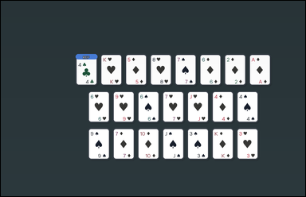 |  | task_games__cards__same_suit_as_reference_count | default | cards | default | You are shown face-up playing cards arranged as a hand, labeled hands, or labeled candidate cards. How many non-reference cards have the same suit as the card marked `REF`? Format for the "answer" field: set "answer" to the number of non-reference cards that share the reference card's suit. Example JSON: {"answer":2} | {"answer": 0} | You are shown face-up playing cards arranged as a hand, labeled hands, or labeled candidate cards. How many non-reference cards have the same suit as the card marked `REF`? Required annotation format: set "annotation" to an array of bounding boxes [x0, y0, x1, y1] for every non-reference card with the same suit as the reference card. Required answer format: set "answer" to the number of non-reference cards that share the reference card's suit. Example JSON: {"annotation":[[120,80,200,190],[220,80,300,190]],"answer":2} | {"annotation": [], "answer": 0} | integer | bbox_set | 53165076797638 | games/cards/task_games__cards__same_suit_as_reference_count/images/default/0017.png | games/cards/task_games__cards__same_suit_as_reference_count/data/default/0017.json
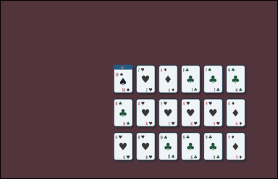 |  | task_games__cards__same_suit_as_reference_count | default | cards | default | The scene shows face-up playing cards arranged as a hand, labeled hands, or labeled candidate cards. One card is marked `REF`. How many other cards share the same suit as the reference card? Final answer format: set "answer" to the number of non-reference cards that share the reference card's suit. Example JSON: {"answer":2} | {"answer": 0} | The scene shows face-up playing cards arranged as a hand, labeled hands, or labeled candidate cards. One card is marked `REF`. How many other cards share the same suit as the reference card? Final answer format: set "answer" to the number of non-reference cards that share the reference card's suit. Annotation format: set "annotation" to an array of bounding boxes [x0, y0, x1, y1] for every non-reference card with the same suit as the reference card. Example JSON: {"annotation":[[120,80,200,190],[220,80,300,190]],"answer":2} | {"annotation": [], "answer": 0} | integer | bbox_set | 160373134040720 | games/cards/task_games__cards__same_suit_as_reference_count/images/default/0008.png | games/cards/task_games__cards__same_suit_as_reference_count/data/default/0008.json
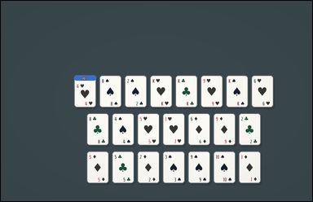 | 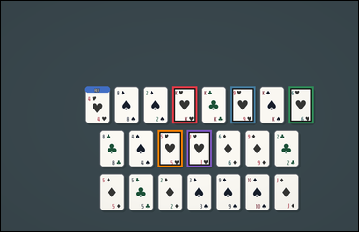 | task_games__cards__same_suit_as_reference_count | default | cards | default | The figure shows face-up playing cards arranged as a hand, labeled hands, or labeled candidate cards. Count the other cards whose suit matches the `REF` card. Final answer format: set "answer" to the number of non-reference cards that share the reference card's suit. Example JSON: {"answer":2} | {"answer": 5} | The figure shows face-up playing cards arranged as a hand, labeled hands, or labeled candidate cards. Count the other cards whose suit matches the `REF` card. Final answer format: set "answer" to the number of non-reference cards that share the reference card's suit. Annotation format: set "annotation" to an array of bounding boxes [x0, y0, x1, y1] for every non-reference card with the same suit as the reference card. Example JSON: {"annotation":[[120,80,200,190],[220,80,300,190]],"answer":2} | {"annotation": [[565.0, 282.0, 649.0, 404.0], [757.0, 282.0, 841.0, 404.0], [949.0, 282.0, 1033.0, 404.0], [517.0, 426.0, 601.0, 548.0], [613.0, 426.0, 697.0, 548.0]], "answer": 5} | integer | bbox_set | 184373873905402 | games/cards/task_games__cards__same_suit_as_reference_count/images/default/0026.png | games/cards/task_games__cards__same_suit_as_reference_count/data/default/0026.json
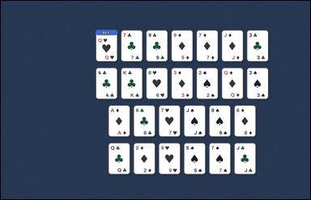 | 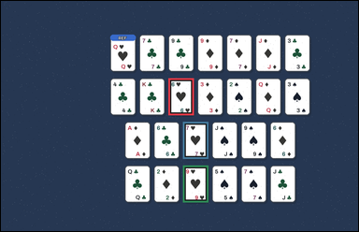 | task_games__cards__same_suit_as_reference_count | default | cards | default | The visual shows face-up playing cards arranged as a hand, labeled hands, or labeled candidate cards. Using the card marked `REF`, how many other cards match its suit? Format for the "answer" field: set "answer" to the number of non-reference cards that share the reference card's suit. Example JSON: {"answer":2} | {"answer": 3} | The visual shows face-up playing cards arranged as a hand, labeled hands, or labeled candidate cards. Using the card marked `REF`, how many other cards match its suit? Final answer format: set "answer" to the number of non-reference cards that share the reference card's suit. Annotation format: set "annotation" to an array of bounding boxes [x0, y0, x1, y1] for every non-reference card with the same suit as the reference card. Example JSON: {"annotation":[[120,80,200,190],[220,80,300,190]],"answer":2} | {"annotation": [[553.0, 255.0, 637.0, 377.0], [601.0, 399.0, 685.0, 521.0], [601.0, 543.0, 685.0, 665.0]], "answer": 3} | integer | bbox_set | 189136115061292 | games/cards/task_games__cards__same_suit_as_reference_count/images/default/0079.png | games/cards/task_games__cards__same_suit_as_reference_count/data/default/0079.json
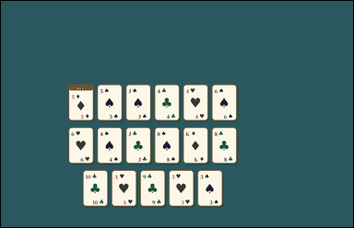 | 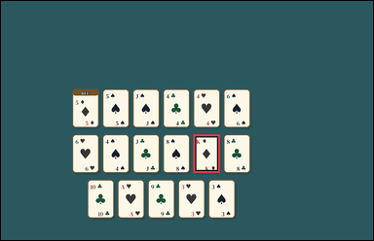 | task_games__cards__same_suit_as_reference_count | default | cards | default | The image shows face-up playing cards arranged as a hand, labeled hands, or labeled candidate cards. Count the other cards whose suit matches the `REF` card. Final answer format: set "answer" to the number of non-reference cards that share the reference card's suit. Example JSON: {"answer":2} | {"answer": 1} | The image shows face-up playing cards arranged as a hand, labeled hands, or labeled candidate cards. Count the other cards whose suit matches the `REF` card. Annotation format: set "annotation" to an array of bounding boxes [x0, y0, x1, y1] for every non-reference card with the same suit as the reference card. Answer format: set "answer" to the number of non-reference cards that share the reference card's suit. Example JSON: {"annotation":[[120,80,200,190],[220,80,300,190]],"answer":2} | {"annotation": [[610.0, 424.0, 694.0, 546.0]], "answer": 1} | integer | bbox_set | 282066801356925 | games/cards/task_games__cards__same_suit_as_reference_count/images/default/0030.png | games/cards/task_games__cards__same_suit_as_reference_count/data/default/0030.json
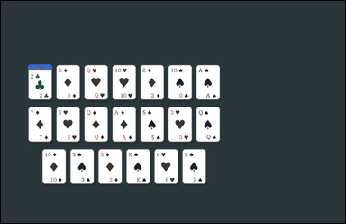 |  | task_games__cards__same_suit_as_reference_count | default | cards | default | The figure shows face-up playing cards arranged as a hand, labeled hands, or labeled candidate cards. How many non-reference cards have the same suit as the card marked `REF`? Final answer format: set "answer" to the number of non-reference cards that share the reference card's suit. Example JSON: {"answer":2} | {"answer": 0} | The figure shows face-up playing cards arranged as a hand, labeled hands, or labeled candidate cards. How many non-reference cards have the same suit as the card marked `REF`? Required annotation format: set "annotation" to an array of bounding boxes [x0, y0, x1, y1] for every non-reference card with the same suit as the reference card. Required answer format: set "answer" to the number of non-reference cards that share the reference card's suit. Example JSON: {"annotation":[[120,80,200,190],[220,80,300,190]],"answer":2} | {"annotation": [], "answer": 0} | integer | bbox_set | 286184445364052 | games/cards/task_games__cards__same_suit_as_reference_count/images/default/0063.png | games/cards/task_games__cards__same_suit_as_reference_count/data/default/0063.json
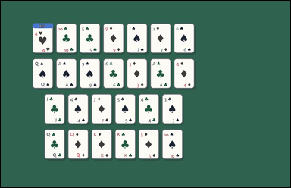 |  | task_games__cards__same_suit_as_reference_count | default | cards | default | The scene shows face-up playing cards arranged as a hand, labeled hands, or labeled candidate cards. What is the number of other visible cards that share the reference card's suit? Required answer format: set "answer" to the number of non-reference cards that share the reference card's suit. Example JSON: {"answer":2} | {"answer": 0} | The scene shows face-up playing cards arranged as a hand, labeled hands, or labeled candidate cards. What is the number of other visible cards that share the reference card's suit? Annotation format: set "annotation" to an array of bounding boxes [x0, y0, x1, y1] for every non-reference card with the same suit as the reference card. Answer format: set "answer" to the number of non-reference cards that share the reference card's suit. Example JSON: {"annotation":[[120,80,200,190],[220,80,300,190]],"answer":2} | {"annotation": [], "answer": 0} | integer | bbox_set | 294365610277965 | games/cards/task_games__cards__same_suit_as_reference_count/images/default/0037.png | games/cards/task_games__cards__same_suit_as_reference_count/data/default/0037.json
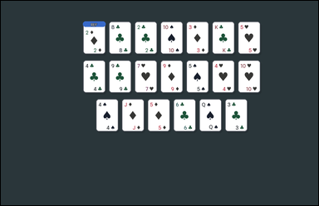 | 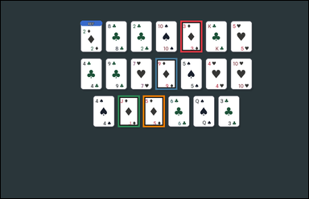 | task_games__cards__same_suit_as_reference_count | default | cards | default | You are shown face-up playing cards arranged as a hand, labeled hands, or labeled candidate cards. How many non-reference cards have the same suit as the card marked `REF`? Format for the "answer" field: set "answer" to the number of non-reference cards that share the reference card's suit. Example JSON: {"answer":2} | {"answer": 4} | You are shown face-up playing cards arranged as a hand, labeled hands, or labeled candidate cards. How many non-reference cards have the same suit as the card marked `REF`? Annotation format: set "annotation" to an array of bounding boxes [x0, y0, x1, y1] for every non-reference card with the same suit as the reference card. Answer format: set "answer" to the number of non-reference cards that share the reference card's suit. Example JSON: {"annotation":[[120,80,200,190],[220,80,300,190]],"answer":2} | {"annotation": [[689.0, 76.0, 773.0, 198.0], [593.0, 220.0, 677.0, 342.0], [449.0, 364.0, 533.0, 486.0], [545.0, 364.0, 629.0, 486.0]], "answer": 4} | integer | bbox_set | 301783289837052 | games/cards/task_games__cards__same_suit_as_reference_count/images/default/0078.png | games/cards/task_games__cards__same_suit_as_reference_count/data/default/0078.json
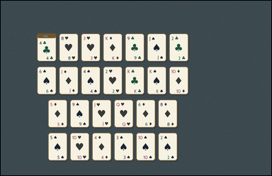 | 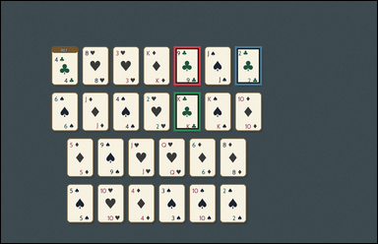 | task_games__cards__same_suit_as_reference_count | default | cards | default | You are shown face-up playing cards arranged as a hand, labeled hands, or labeled candidate cards. Using the card marked `REF`, how many other cards match its suit? Format for the "answer" field: set "answer" to the number of non-reference cards that share the reference card's suit. Example JSON: {"answer":2} | {"answer": 3} | You are shown face-up playing cards arranged as a hand, labeled hands, or labeled candidate cards. Using the card marked `REF`, how many other cards match its suit? Final answer format: set "answer" to the number of non-reference cards that share the reference card's suit. Annotation format: set "annotation" to an array of bounding boxes [x0, y0, x1, y1] for every non-reference card with the same suit as the reference card. Example JSON: {"annotation":[[120,80,200,190],[220,80,300,190]],"answer":2} | {"annotation": [[542.0, 142.0, 626.0, 264.0], [734.0, 142.0, 818.0, 264.0], [542.0, 286.0, 626.0, 408.0]], "answer": 3} | integer | bbox_set | 358493872103794 | games/cards/task_games__cards__same_suit_as_reference_count/images/default/0074.png | games/cards/task_games__cards__same_suit_as_reference_count/data/default/0074.json
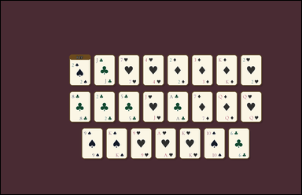 | 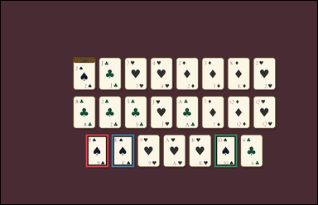 | task_games__cards__same_suit_as_reference_count | default | cards | default | The visual shows face-up playing cards arranged as a hand, labeled hands, or labeled candidate cards. How many non-reference cards have the same suit as the card marked `REF`? Format for the "answer" field: set "answer" to the number of non-reference cards that share the reference card's suit. Example JSON: {"answer":2} | {"answer": 3} | The visual shows face-up playing cards arranged as a hand, labeled hands, or labeled candidate cards. How many non-reference cards have the same suit as the card marked `REF`? Required annotation format: set "annotation" to an array of bounding boxes [x0, y0, x1, y1] for every non-reference card with the same suit as the reference card. Required answer format: set "answer" to the number of non-reference cards that share the reference card's suit. Example JSON: {"annotation":[[120,80,200,190],[220,80,300,190]],"answer":2} | {"annotation": [[317.0, 499.0, 401.0, 621.0], [413.0, 499.0, 497.0, 621.0], [797.0, 499.0, 881.0, 621.0]], "answer": 3} | integer | bbox_set | 396199270030701 | games/cards/task_games__cards__same_suit_as_reference_count/images/default/0082.png | games/cards/task_games__cards__same_suit_as_reference_count/data/default/0082.json
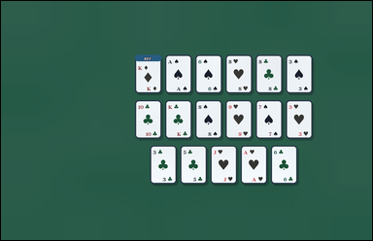 |  | task_games__cards__same_suit_as_reference_count | default | cards | default | The image shows face-up playing cards arranged as a hand, labeled hands, or labeled candidate cards. How many non-reference cards have the same suit as the card marked `REF`? Format for the "answer" field: set "answer" to the number of non-reference cards that share the reference card's suit. Example JSON: {"answer":2} | {"answer": 0} | The image shows face-up playing cards arranged as a hand, labeled hands, or labeled candidate cards. How many non-reference cards have the same suit as the card marked `REF`? Final answer format: set "answer" to the number of non-reference cards that share the reference card's suit. Annotation format: set "annotation" to an array of bounding boxes [x0, y0, x1, y1] for every non-reference card with the same suit as the reference card. Example JSON: {"annotation":[[120,80,200,190],[220,80,300,190]],"answer":2} | {"annotation": [], "answer": 0} | integer | bbox_set | 455349479027906 | games/cards/task_games__cards__same_suit_as_reference_count/images/default/0073.png | games/cards/task_games__cards__same_suit_as_reference_count/data/default/0073.json
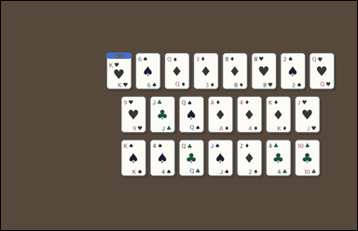 | 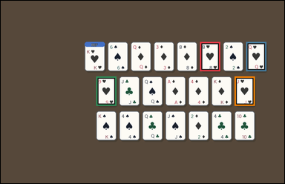 | task_games__cards__same_suit_as_reference_count | default | cards | default | The figure shows face-up playing cards arranged as a hand, labeled hands, or labeled candidate cards. Count the other cards whose suit matches the `REF` card. Format for the "answer" field: set "answer" to the number of non-reference cards that share the reference card's suit. Example JSON: {"answer":2} | {"answer": 4} | The figure shows face-up playing cards arranged as a hand, labeled hands, or labeled candidate cards. Count the other cards whose suit matches the `REF` card. Annotation format: set "annotation" to an array of bounding boxes [x0, y0, x1, y1] for every non-reference card with the same suit as the reference card. Answer format: set "answer" to the number of non-reference cards that share the reference card's suit. Example JSON: {"annotation":[[120,80,200,190],[220,80,300,190]],"answer":2} | {"annotation": [[829.0, 171.0, 913.0, 293.0], [1021.0, 171.0, 1105.0, 293.0], [397.0, 315.0, 481.0, 437.0], [973.0, 315.0, 1057.0, 437.0]], "answer": 4} | integer | bbox_set | 480904700383868 | games/cards/task_games__cards__same_suit_as_reference_count/images/default/0054.png | games/cards/task_games__cards__same_suit_as_reference_count/data/default/0054.json
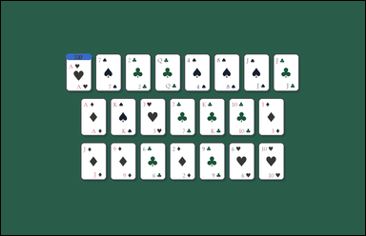 | 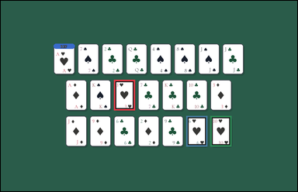 | task_games__cards__same_suit_as_reference_count | default | cards | default | The visual shows face-up playing cards arranged as a hand, labeled hands, or labeled candidate cards. One card is marked `REF`. How many other cards share the same suit as the reference card? Final answer format: set "answer" to the number of non-reference cards that share the reference card's suit. Example JSON: {"answer":2} | {"answer": 3} | The visual shows face-up playing cards arranged as a hand, labeled hands, or labeled candidate cards. One card is marked `REF`. How many other cards share the same suit as the reference card? Annotation format: set "annotation" to an array of bounding boxes [x0, y0, x1, y1] for every non-reference card with the same suit as the reference card. Answer format: set "answer" to the number of non-reference cards that share the reference card's suit. Example JSON: {"annotation":[[120,80,200,190],[220,80,300,190]],"answer":2} | {"annotation": [[450.0, 315.0, 534.0, 437.0], [738.0, 459.0, 822.0, 581.0], [834.0, 459.0, 918.0, 581.0]], "answer": 3} | integer | bbox_set | 481707838339685 | games/cards/task_games__cards__same_suit_as_reference_count/images/default/0072.png | games/cards/task_games__cards__same_suit_as_reference_count/data/default/0072.json
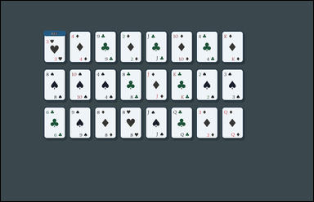 | 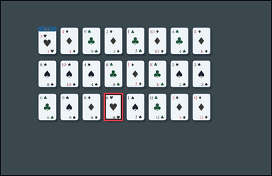 | task_games__cards__same_suit_as_reference_count | default | cards | default | The scene shows face-up playing cards arranged as a hand, labeled hands, or labeled candidate cards. How many non-reference cards have the same suit as the card marked `REF`? Answer field: set "answer" to the number of non-reference cards that share the reference card's suit. Example JSON: {"answer":2} | {"answer": 1} | The scene shows face-up playing cards arranged as a hand, labeled hands, or labeled candidate cards. How many non-reference cards have the same suit as the card marked `REF`? Annotation format: set "annotation" to an array of bounding boxes [x0, y0, x1, y1] for every non-reference card with the same suit as the reference card. Answer format: set "answer" to the number of non-reference cards that share the reference card's suit. Example JSON: {"annotation":[[120,80,200,190],[220,80,300,190]],"answer":2} | {"annotation": [[449.0, 401.0, 533.0, 523.0]], "answer": 1} | integer | bbox_set | 501693400264220 | games/cards/task_games__cards__same_suit_as_reference_count/images/default/0032.png | games/cards/task_games__cards__same_suit_as_reference_count/data/default/0032.json
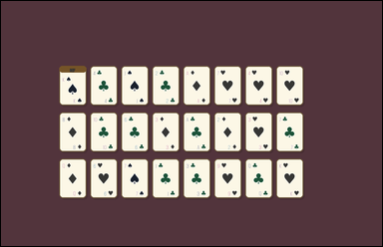 | 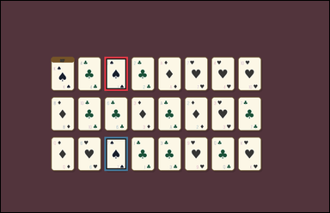 | task_games__cards__same_suit_as_reference_count | default | cards | default | The image shows face-up playing cards arranged as a hand, labeled hands, or labeled candidate cards. What is the number of other visible cards that share the reference card's suit? Format for the "answer" field: set "answer" to the number of non-reference cards that share the reference card's suit. Example JSON: {"answer":2} | {"answer": 2} | The image shows face-up playing cards arranged as a hand, labeled hands, or labeled candidate cards. What is the number of other visible cards that share the reference card's suit? Annotation format: set "annotation" to an array of bounding boxes [x0, y0, x1, y1] for every non-reference card with the same suit as the reference card. Answer format: set "answer" to the number of non-reference cards that share the reference card's suit. Example JSON: {"annotation":[[120,80,200,190],[220,80,300,190]],"answer":2} | {"annotation": [[372.0, 201.0, 456.0, 323.0], [372.0, 489.0, 456.0, 611.0]], "answer": 2} | integer | bbox_set | 715393884375849 | games/cards/task_games__cards__same_suit_as_reference_count/images/default/0055.png | games/cards/task_games__cards__same_suit_as_reference_count/data/default/0055.json
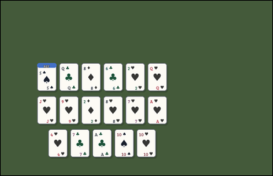 | 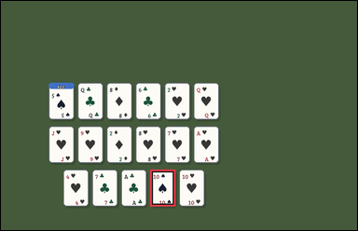 | task_games__cards__same_suit_as_reference_count | default | cards | default | The scene shows face-up playing cards arranged as a hand, labeled hands, or labeled candidate cards. What is the number of other visible cards that share the reference card's suit? Format for the "answer" field: set "answer" to the number of non-reference cards that share the reference card's suit. Example JSON: {"answer":2} | {"answer": 1} | The scene shows face-up playing cards arranged as a hand, labeled hands, or labeled candidate cards. What is the number of other visible cards that share the reference card's suit? Annotation format: set "annotation" to an array of bounding boxes [x0, y0, x1, y1] for every non-reference card with the same suit as the reference card. Answer format: set "answer" to the number of non-reference cards that share the reference card's suit. Example JSON: {"annotation":[[120,80,200,190],[220,80,300,190]],"answer":2} | {"annotation": [[494.0, 559.0, 578.0, 681.0]], "answer": 1} | integer | bbox_set | 775932329138407 | games/cards/task_games__cards__same_suit_as_reference_count/images/default/0012.png | games/cards/task_games__cards__same_suit_as_reference_count/data/default/0012.json
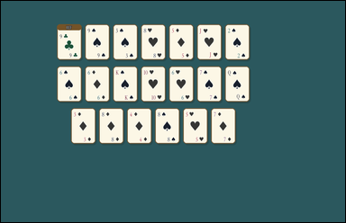 |  | task_games__cards__same_suit_as_reference_count | default | cards | default | The visual shows face-up playing cards arranged as a hand, labeled hands, or labeled candidate cards. Count the other cards whose suit matches the `REF` card. Answer format: set "answer" to the number of non-reference cards that share the reference card's suit. Example JSON: {"answer":2} | {"answer": 0} | The visual shows face-up playing cards arranged as a hand, labeled hands, or labeled candidate cards. Count the other cards whose suit matches the `REF` card. Annotation format: set "annotation" to an array of bounding boxes [x0, y0, x1, y1] for every non-reference card with the same suit as the reference card. Answer format: set "answer" to the number of non-reference cards that share the reference card's suit. Example JSON: {"annotation":[[120,80,200,190],[220,80,300,190]],"answer":2} | {"annotation": [], "answer": 0} | integer | bbox_set | 824741030489476 | games/cards/task_games__cards__same_suit_as_reference_count/images/default/0086.png | games/cards/task_games__cards__same_suit_as_reference_count/data/default/0086.json
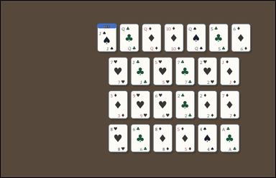 | 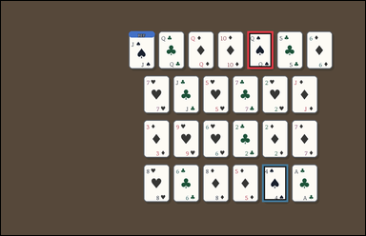 | task_games__cards__same_suit_as_reference_count | default | cards | default | The image shows face-up playing cards arranged as a hand, labeled hands, or labeled candidate cards. Count the other cards whose suit matches the `REF` card. Format for the "answer" field: set "answer" to the number of non-reference cards that share the reference card's suit. Example JSON: {"answer":2} | {"answer": 2} | The image shows face-up playing cards arranged as a hand, labeled hands, or labeled candidate cards. Count the other cards whose suit matches the `REF` card. Annotation format: set "annotation" to an array of bounding boxes [x0, y0, x1, y1] for every non-reference card with the same suit as the reference card. Answer format: set "answer" to the number of non-reference cards that share the reference card's suit. Example JSON: {"annotation":[[120,80,200,190],[220,80,300,190]],"answer":2} | {"annotation": [[798.0, 98.0, 882.0, 220.0], [846.0, 530.0, 930.0, 652.0]], "answer": 2} | integer | bbox_set | 912268360941117 | games/cards/task_games__cards__same_suit_as_reference_count/images/default/0007.png | games/cards/task_games__cards__same_suit_as_reference_count/data/default/0007.json
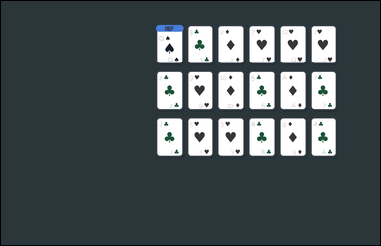 |  | task_games__cards__same_suit_as_reference_count | default | cards | default | The image shows face-up playing cards arranged as a hand, labeled hands, or labeled candidate cards. What is the number of other visible cards that share the reference card's suit? Answer field: set "answer" to the number of non-reference cards that share the reference card's suit. Example JSON: {"answer":2} | {"answer": 0} | The image shows face-up playing cards arranged as a hand, labeled hands, or labeled candidate cards. What is the number of other visible cards that share the reference card's suit? Final answer format: set "answer" to the number of non-reference cards that share the reference card's suit. Annotation format: set "annotation" to an array of bounding boxes [x0, y0, x1, y1] for every non-reference card with the same suit as the reference card. Example JSON: {"annotation":[[120,80,200,190],[220,80,300,190]],"answer":2} | {"annotation": [], "answer": 0} | integer | bbox_set | 953343613903967 | games/cards/task_games__cards__same_suit_as_reference_count/images/default/0060.png | games/cards/task_games__cards__same_suit_as_reference_count/data/default/0060.json
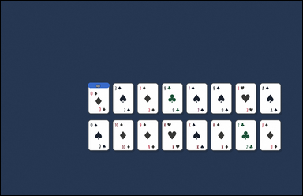 | 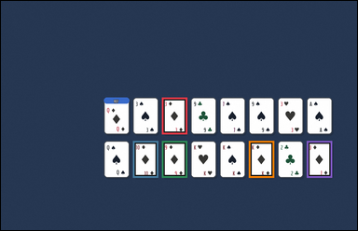 | task_games__cards__same_suit_as_reference_count | default | cards | default | The visual shows face-up playing cards arranged as a hand, labeled hands, or labeled candidate cards. What is the number of other visible cards that share the reference card's suit? Format for the "answer" field: set "answer" to the number of non-reference cards that share the reference card's suit. Example JSON: {"answer":2} | {"answer": 5} | The visual shows face-up playing cards arranged as a hand, labeled hands, or labeled candidate cards. What is the number of other visible cards that share the reference card's suit? Required annotation format: set "annotation" to an array of bounding boxes [x0, y0, x1, y1] for every non-reference card with the same suit as the reference card. Required answer format: set "answer" to the number of non-reference cards that share the reference card's suit. Example JSON: {"annotation":[[120,80,200,190],[220,80,300,190]],"answer":2} | {"annotation": [[533.0, 320.0, 617.0, 442.0], [437.0, 464.0, 521.0, 586.0], [533.0, 464.0, 617.0, 586.0], [821.0, 464.0, 905.0, 586.0], [1013.0, 464.0, 1097.0, 586.0]], "answer": 5} | integer | bbox_set | 1.0137701987E+15 | games/cards/task_games__cards__same_suit_as_reference_count/images/default/0066.png | games/cards/task_games__cards__same_suit_as_reference_count/data/default/0066.json
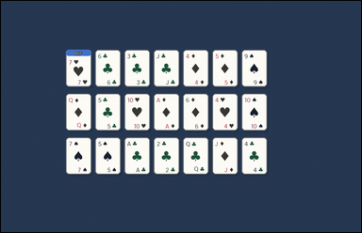 |  | task_games__cards__same_suit_as_reference_count | default | cards | default | You are shown face-up playing cards arranged as a hand, labeled hands, or labeled candidate cards. What is the number of other visible cards that share the reference card's suit? Required answer format: set "answer" to the number of non-reference cards that share the reference card's suit. Example JSON: {"answer":2} | {"answer": 2} | You are shown face-up playing cards arranged as a hand, labeled hands, or labeled candidate cards. What is the number of other visible cards that share the reference card's suit? Annotation format: set "annotation" to an array of bounding boxes [x0, y0, x1, y1] for every non-reference card with the same suit as the reference card. Answer format: set "answer" to the number of non-reference cards that share the reference card's suit. Example JSON: {"annotation":[[120,80,200,190],[220,80,300,190]],"answer":2} | {"annotation": [[404.0, 304.0, 488.0, 426.0], [692.0, 304.0, 776.0, 426.0]], "answer": 2} | integer | bbox_set | 1.0423254154E+15 | games/cards/task_games__cards__same_suit_as_reference_count/images/default/0097.png | games/cards/task_games__cards__same_suit_as_reference_count/data/default/0097.json
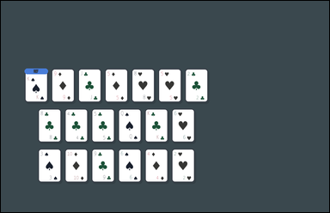 | 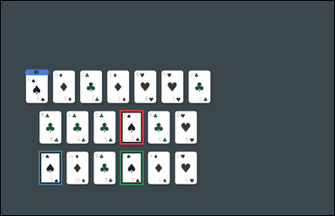 | task_games__cards__same_suit_as_reference_count | default | cards | default | You are shown face-up playing cards arranged as a hand, labeled hands, or labeled candidate cards. How many non-reference cards have the same suit as the card marked `REF`? Final answer format: set "answer" to the number of non-reference cards that share the reference card's suit. Example JSON: {"answer":2} | {"answer": 3} | You are shown face-up playing cards arranged as a hand, labeled hands, or labeled candidate cards. How many non-reference cards have the same suit as the card marked `REF`? Annotation format: set "annotation" to an array of bounding boxes [x0, y0, x1, y1] for every non-reference card with the same suit as the reference card. Answer format: set "answer" to the number of non-reference cards that share the reference card's suit. Example JSON: {"annotation":[[120,80,200,190],[220,80,300,190]],"answer":2} | {"annotation": [[421.0, 387.0, 505.0, 509.0], [133.0, 531.0, 217.0, 653.0], [421.0, 531.0, 505.0, 653.0]], "answer": 3} | integer | bbox_set | 1.0750111657E+15 | games/cards/task_games__cards__same_suit_as_reference_count/images/default/0028.png | games/cards/task_games__cards__same_suit_as_reference_count/data/default/0028.json
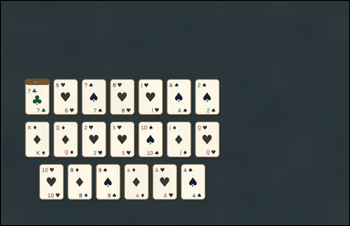 |  | task_games__cards__same_suit_as_reference_count | default | cards | default | You are shown face-up playing cards arranged as a hand, labeled hands, or labeled candidate cards. Count the other cards whose suit matches the `REF` card. Answer format: set "answer" to the number of non-reference cards that share the reference card's suit. Example JSON: {"answer":2} | {"answer": 0} | You are shown face-up playing cards arranged as a hand, labeled hands, or labeled candidate cards. Count the other cards whose suit matches the `REF` card. Annotation format: set "annotation" to an array of bounding boxes [x0, y0, x1, y1] for every non-reference card with the same suit as the reference card. Answer format: set "answer" to the number of non-reference cards that share the reference card's suit. Example JSON: {"annotation":[[120,80,200,190],[220,80,300,190]],"answer":2} | {"annotation": [], "answer": 0} | integer | bbox_set | 1.3982698095E+15 | games/cards/task_games__cards__same_suit_as_reference_count/images/default/0016.png | games/cards/task_games__cards__same_suit_as_reference_count/data/default/0016.json
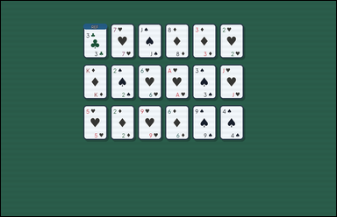 |  | task_games__cards__same_suit_as_reference_count | default | cards | default | The image shows face-up playing cards arranged as a hand, labeled hands, or labeled candidate cards. Using the card marked `REF`, how many other cards match its suit? Final answer format: set "answer" to the number of non-reference cards that share the reference card's suit. Example JSON: {"answer":2} | {"answer": 0} | The image shows face-up playing cards arranged as a hand, labeled hands, or labeled candidate cards. Using the card marked `REF`, how many other cards match its suit? Annotation format: set "annotation" to an array of bounding boxes [x0, y0, x1, y1] for every non-reference card with the same suit as the reference card. Answer format: set "answer" to the number of non-reference cards that share the reference card's suit. Example JSON: {"annotation":[[120,80,200,190],[220,80,300,190]],"answer":2} | {"annotation": [], "answer": 0} | integer | bbox_set | 1.4065527561E+15 | games/cards/task_games__cards__same_suit_as_reference_count/images/default/0057.png | games/cards/task_games__cards__same_suit_as_reference_count/data/default/0057.json
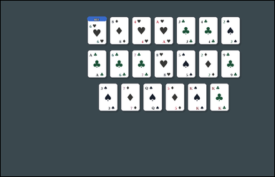 | 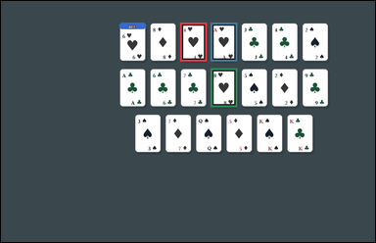 | task_games__cards__same_suit_as_reference_count | default | cards | default | The visual shows face-up playing cards arranged as a hand, labeled hands, or labeled candidate cards. How many non-reference cards have the same suit as the card marked `REF`? Answer format: set "answer" to the number of non-reference cards that share the reference card's suit. Example JSON: {"answer":2} | {"answer": 3} | The visual shows face-up playing cards arranged as a hand, labeled hands, or labeled candidate cards. How many non-reference cards have the same suit as the card marked `REF`? Annotation format: set "annotation" to an array of bounding boxes [x0, y0, x1, y1] for every non-reference card with the same suit as the reference card. Answer format: set "answer" to the number of non-reference cards that share the reference card's suit. Example JSON: {"annotation":[[120,80,200,190],[220,80,300,190]],"answer":2} | {"annotation": [[565.0, 68.0, 649.0, 190.0], [661.0, 68.0, 745.0, 190.0], [661.0, 212.0, 745.0, 334.0]], "answer": 3} | integer | bbox_set | 1.4652506813E+15 | games/cards/task_games__cards__same_suit_as_reference_count/images/default/0091.png | games/cards/task_games__cards__same_suit_as_reference_count/data/default/0091.json
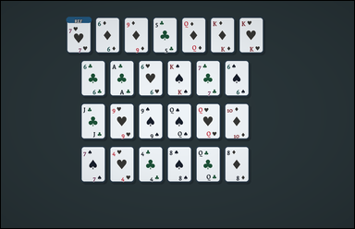 | 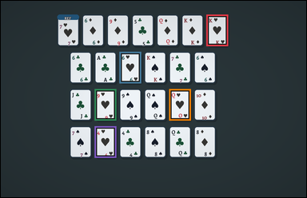 | task_games__cards__same_suit_as_reference_count | default | cards | default | The scene shows face-up playing cards arranged as a hand, labeled hands, or labeled candidate cards. One card is marked `REF`. How many other cards share the same suit as the reference card? Format for the "answer" field: set "answer" to the number of non-reference cards that share the reference card's suit. Example JSON: {"answer":2} | {"answer": 5} | The scene shows face-up playing cards arranged as a hand, labeled hands, or labeled candidate cards. One card is marked `REF`. How many other cards share the same suit as the reference card? Annotation format: set "annotation" to an array of bounding boxes [x0, y0, x1, y1] for every non-reference card with the same suit as the reference card. Answer format: set "answer" to the number of non-reference cards that share the reference card's suit. Example JSON: {"annotation":[[120,80,200,190],[220,80,300,190]],"answer":2} | {"annotation": [[794.0, 53.0, 878.0, 175.0], [458.0, 197.0, 542.0, 319.0], [362.0, 341.0, 446.0, 463.0], [650.0, 341.0, 734.0, 463.0], [362.0, 485.0, 446.0, 607.0]], "answer": 5} | integer | bbox_set | 1.5579067541E+15 | games/cards/task_games__cards__same_suit_as_reference_count/images/default/0096.png | games/cards/task_games__cards__same_suit_as_reference_count/data/default/0096.json
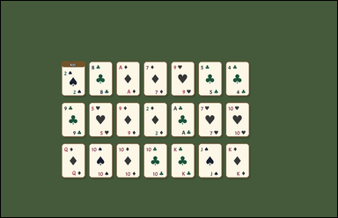 | 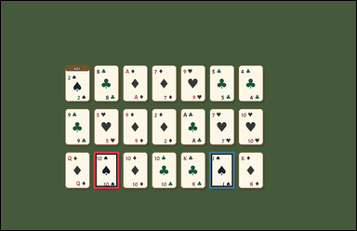 | task_games__cards__same_suit_as_reference_count | default | cards | default | The visual shows face-up playing cards arranged as a hand, labeled hands, or labeled candidate cards. Count the other cards whose suit matches the `REF` card. Final answer format: set "answer" to the number of non-reference cards that share the reference card's suit. Example JSON: {"answer":2} | {"answer": 2} | The visual shows face-up playing cards arranged as a hand, labeled hands, or labeled candidate cards. Count the other cards whose suit matches the `REF` card. Required annotation format: set "annotation" to an array of bounding boxes [x0, y0, x1, y1] for every non-reference card with the same suit as the reference card. Required answer format: set "answer" to the number of non-reference cards that share the reference card's suit. Example JSON: {"annotation":[[120,80,200,190],[220,80,300,190]],"answer":2} | {"annotation": [[308.0, 500.0, 392.0, 622.0], [692.0, 500.0, 776.0, 622.0]], "answer": 2} | integer | bbox_set | 1.6023356144E+15 | games/cards/task_games__cards__same_suit_as_reference_count/images/default/0090.png | games/cards/task_games__cards__same_suit_as_reference_count/data/default/0090.json
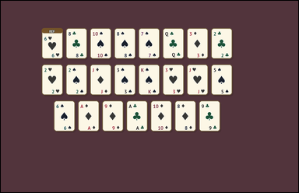 | 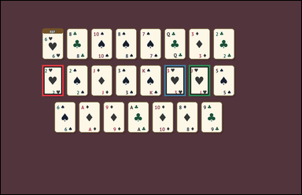 | task_games__cards__same_suit_as_reference_count | default | cards | default | The image shows face-up playing cards arranged as a hand, labeled hands, or labeled candidate cards. What is the number of other visible cards that share the reference card's suit? Required answer format: set "answer" to the number of non-reference cards that share the reference card's suit. Example JSON: {"answer":2} | {"answer": 3} | The image shows face-up playing cards arranged as a hand, labeled hands, or labeled candidate cards. What is the number of other visible cards that share the reference card's suit? Annotation format: set "annotation" to an array of bounding boxes [x0, y0, x1, y1] for every non-reference card with the same suit as the reference card. Answer format: set "answer" to the number of non-reference cards that share the reference card's suit. Example JSON: {"annotation":[[120,80,200,190],[220,80,300,190]],"answer":2} | {"annotation": [[162.0, 252.0, 246.0, 374.0], [642.0, 252.0, 726.0, 374.0], [738.0, 252.0, 822.0, 374.0]], "answer": 3} | integer | bbox_set | 1.9328785609E+15 | games/cards/task_games__cards__same_suit_as_reference_count/images/default/0014.png | games/cards/task_games__cards__same_suit_as_reference_count/data/default/0014.json
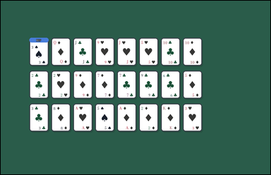 | 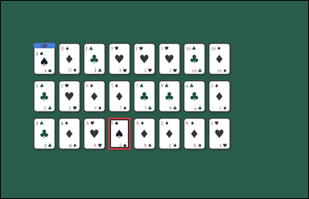 | task_games__cards__same_suit_as_reference_count | default | cards | default | You are shown face-up playing cards arranged as a hand, labeled hands, or labeled candidate cards. Count the other cards whose suit matches the `REF` card. Format for the "answer" field: set "answer" to the number of non-reference cards that share the reference card's suit. Example JSON: {"answer":2} | {"answer": 1} | You are shown face-up playing cards arranged as a hand, labeled hands, or labeled candidate cards. Count the other cards whose suit matches the `REF` card. Annotation format: set "annotation" to an array of bounding boxes [x0, y0, x1, y1] for every non-reference card with the same suit as the reference card. Answer format: set "answer" to the number of non-reference cards that share the reference card's suit. Example JSON: {"annotation":[[120,80,200,190],[220,80,300,190]],"answer":2} | {"annotation": [[413.0, 450.0, 497.0, 572.0]], "answer": 1} | integer | bbox_set | 2.0434707185E+15 | games/cards/task_games__cards__same_suit_as_reference_count/images/default/0038.png | games/cards/task_games__cards__same_suit_as_reference_count/data/default/0038.json
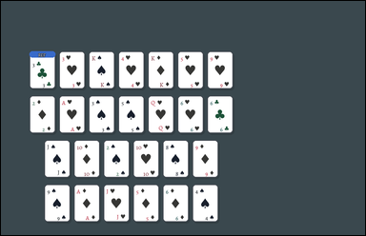 | 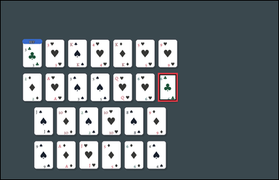 | task_games__cards__same_suit_as_reference_count | default | cards | default | The image shows face-up playing cards arranged as a hand, labeled hands, or labeled candidate cards. How many non-reference cards have the same suit as the card marked `REF`? Format for the "answer" field: set "answer" to the number of non-reference cards that share the reference card's suit. Example JSON: {"answer":2} | {"answer": 1} | The image shows face-up playing cards arranged as a hand, labeled hands, or labeled candidate cards. How many non-reference cards have the same suit as the card marked `REF`? Required annotation format: set "annotation" to an array of bounding boxes [x0, y0, x1, y1] for every non-reference card with the same suit as the reference card. Required answer format: set "answer" to the number of non-reference cards that share the reference card's suit. Example JSON: {"annotation":[[120,80,200,190],[220,80,300,190]],"answer":2} | {"annotation": [[668.0, 307.0, 752.0, 429.0]], "answer": 1} | integer | bbox_set | 2.0648878602E+15 | games/cards/task_games__cards__same_suit_as_reference_count/images/default/0083.png | games/cards/task_games__cards__same_suit_as_reference_count/data/default/0083.json
 |  | task_games__cards__same_suit_as_reference_count | default | cards | default | The figure shows face-up playing cards arranged as a hand, labeled hands, or labeled candidate cards. Using the card marked `REF`, how many other cards match its suit? Answer format: set "answer" to the number of non-reference cards that share the reference card's suit. Example JSON: {"answer":2} | {"answer": 3} | The figure shows face-up playing cards arranged as a hand, labeled hands, or labeled candidate cards. Using the card marked `REF`, how many other cards match its suit? Annotation format: set "annotation" to an array of bounding boxes [x0, y0, x1, y1] for every non-reference card with the same suit as the reference card. Answer format: set "answer" to the number of non-reference cards that share the reference card's suit. Example JSON: {"annotation":[[120,80,200,190],[220,80,300,190]],"answer":2} | {"annotation": [[724.0, 197.0, 808.0, 319.0], [820.0, 341.0, 904.0, 463.0], [340.0, 485.0, 424.0, 607.0]], "answer": 3} | integer | bbox_set | 2.1644422177E+15 | games/cards/task_games__cards__same_suit_as_reference_count/images/default/0051.png | games/cards/task_games__cards__same_suit_as_reference_count/data/default/0051.json
 |  | task_games__cards__same_suit_as_reference_count | default | cards | default | You are shown face-up playing cards arranged as a hand, labeled hands, or labeled candidate cards. How many non-reference cards have the same suit as the card marked `REF`? Required answer format: set "answer" to the number of non-reference cards that share the reference card's suit. Example JSON: {"answer":2} | {"answer": 1} | You are shown face-up playing cards arranged as a hand, labeled hands, or labeled candidate cards. How many non-reference cards have the same suit as the card marked `REF`? Annotation format: set "annotation" to an array of bounding boxes [x0, y0, x1, y1] for every non-reference card with the same suit as the reference card. Answer format: set "answer" to the number of non-reference cards that share the reference card's suit. Example JSON: {"annotation":[[120,80,200,190],[220,80,300,190]],"answer":2} | {"annotation": [[365.0, 427.0, 449.0, 549.0]], "answer": 1} | integer | bbox_set | 2.2458384336E+15 | games/cards/task_games__cards__same_suit_as_reference_count/images/default/0053.png | games/cards/task_games__cards__same_suit_as_reference_count/data/default/0053.json
 |  | task_games__cards__same_suit_as_reference_count | default | cards | default | The visual shows face-up playing cards arranged as a hand, labeled hands, or labeled candidate cards. How many non-reference cards have the same suit as the card marked `REF`? Answer field: set "answer" to the number of non-reference cards that share the reference card's suit. Example JSON: {"answer":2} | {"answer": 4} | The visual shows face-up playing cards arranged as a hand, labeled hands, or labeled candidate cards. How many non-reference cards have the same suit as the card marked `REF`? Annotation format: set "annotation" to an array of bounding boxes [x0, y0, x1, y1] for every non-reference card with the same suit as the reference card. Answer format: set "answer" to the number of non-reference cards that share the reference card's suit. Example JSON: {"annotation":[[120,80,200,190],[220,80,300,190]],"answer":2} | {"annotation": [[312.0, 77.0, 396.0, 199.0], [120.0, 221.0, 204.0, 343.0], [600.0, 221.0, 684.0, 343.0], [168.0, 365.0, 252.0, 487.0]], "answer": 4} | integer | bbox_set | 2.2741017711E+15 | games/cards/task_games__cards__same_suit_as_reference_count/images/default/0068.png | games/cards/task_games__cards__same_suit_as_reference_count/data/default/0068.json
 |  | task_games__cards__same_suit_as_reference_count | default | cards | default | The figure shows face-up playing cards arranged as a hand, labeled hands, or labeled candidate cards. Count the other cards whose suit matches the `REF` card. Required answer format: set "answer" to the number of non-reference cards that share the reference card's suit. Example JSON: {"answer":2} | {"answer": 3} | The figure shows face-up playing cards arranged as a hand, labeled hands, or labeled candidate cards. Count the other cards whose suit matches the `REF` card. Annotation format: set "annotation" to an array of bounding boxes [x0, y0, x1, y1] for every non-reference card with the same suit as the reference card. Answer format: set "answer" to the number of non-reference cards that share the reference card's suit. Example JSON: {"annotation":[[120,80,200,190],[220,80,300,190]],"answer":2} | {"annotation": [[166.0, 365.0, 250.0, 487.0], [742.0, 365.0, 826.0, 487.0], [838.0, 365.0, 922.0, 487.0]], "answer": 3} | integer | bbox_set | 2.3038963779E+15 | games/cards/task_games__cards__same_suit_as_reference_count/images/default/0003.png | games/cards/task_games__cards__same_suit_as_reference_count/data/default/0003.json
 |  | task_games__cards__same_suit_as_reference_count | default | cards | default | The scene shows face-up playing cards arranged as a hand, labeled hands, or labeled candidate cards. How many non-reference cards have the same suit as the card marked `REF`? Required answer format: set "answer" to the number of non-reference cards that share the reference card's suit. Example JSON: {"answer":2} | {"answer": 4} | The scene shows face-up playing cards arranged as a hand, labeled hands, or labeled candidate cards. How many non-reference cards have the same suit as the card marked `REF`? Annotation format: set "annotation" to an array of bounding boxes [x0, y0, x1, y1] for every non-reference card with the same suit as the reference card. Answer format: set "answer" to the number of non-reference cards that share the reference card's suit. Example JSON: {"annotation":[[120,80,200,190],[220,80,300,190]],"answer":2} | {"annotation": [[722.0, 437.0, 806.0, 559.0], [434.0, 581.0, 518.0, 703.0], [530.0, 581.0, 614.0, 703.0], [914.0, 581.0, 998.0, 703.0]], "answer": 4} | integer | bbox_set | 2.3292253641E+15 | games/cards/task_games__cards__same_suit_as_reference_count/images/default/0070.png | games/cards/task_games__cards__same_suit_as_reference_count/data/default/0070.json
 |  | task_games__cards__same_suit_as_reference_count | default | cards | default | The image shows face-up playing cards arranged as a hand, labeled hands, or labeled candidate cards. One card is marked `REF`. How many other cards share the same suit as the reference card? Format for the "answer" field: set "answer" to the number of non-reference cards that share the reference card's suit. Example JSON: {"answer":2} | {"answer": 1} | The image shows face-up playing cards arranged as a hand, labeled hands, or labeled candidate cards. One card is marked `REF`. How many other cards share the same suit as the reference card? Annotation format: set "annotation" to an array of bounding boxes [x0, y0, x1, y1] for every non-reference card with the same suit as the reference card. Answer format: set "answer" to the number of non-reference cards that share the reference card's suit. Example JSON: {"annotation":[[120,80,200,190],[220,80,300,190]],"answer":2} | {"annotation": [[705.0, 300.0, 789.0, 422.0]], "answer": 1} | integer | bbox_set | 2.350583485E+15 | games/cards/task_games__cards__same_suit_as_reference_count/images/default/0046.png | games/cards/task_games__cards__same_suit_as_reference_count/data/default/0046.json
 |  | task_games__cards__same_suit_as_reference_count | default | cards | default | The scene shows face-up playing cards arranged as a hand, labeled hands, or labeled candidate cards. How many non-reference cards have the same suit as the card marked `REF`? Required answer format: set "answer" to the number of non-reference cards that share the reference card's suit. Example JSON: {"answer":2} | {"answer": 3} | The scene shows face-up playing cards arranged as a hand, labeled hands, or labeled candidate cards. How many non-reference cards have the same suit as the card marked `REF`? Required annotation format: set "annotation" to an array of bounding boxes [x0, y0, x1, y1] for every non-reference card with the same suit as the reference card. Required answer format: set "answer" to the number of non-reference cards that share the reference card's suit. Example JSON: {"annotation":[[120,80,200,190],[220,80,300,190]],"answer":2} | {"annotation": [[453.0, 145.0, 537.0, 267.0], [693.0, 433.0, 777.0, 555.0], [405.0, 577.0, 489.0, 699.0]], "answer": 3} | integer | bbox_set | 2.3772818701E+15 | games/cards/task_games__cards__same_suit_as_reference_count/images/default/0080.png | games/cards/task_games__cards__same_suit_as_reference_count/data/default/0080.json
 |  | task_games__cards__same_suit_as_reference_count | default | cards | default | The scene shows face-up playing cards arranged as a hand, labeled hands, or labeled candidate cards. How many non-reference cards have the same suit as the card marked `REF`? Required answer format: set "answer" to the number of non-reference cards that share the reference card's suit. Example JSON: {"answer":2} | {"answer": 0} | The scene shows face-up playing cards arranged as a hand, labeled hands, or labeled candidate cards. How many non-reference cards have the same suit as the card marked `REF`? Annotation format: set "annotation" to an array of bounding boxes [x0, y0, x1, y1] for every non-reference card with the same suit as the reference card. Answer format: set "answer" to the number of non-reference cards that share the reference card's suit. Example JSON: {"annotation":[[120,80,200,190],[220,80,300,190]],"answer":2} | {"annotation": [], "answer": 0} | integer | bbox_set | 2.4189352596E+15 | games/cards/task_games__cards__same_suit_as_reference_count/images/default/0056.png | games/cards/task_games__cards__same_suit_as_reference_count/data/default/0056.json
 |  | task_games__cards__same_suit_as_reference_count | default | cards | default | You are shown face-up playing cards arranged as a hand, labeled hands, or labeled candidate cards. Count the other cards whose suit matches the `REF` card. Format for the "answer" field: set "answer" to the number of non-reference cards that share the reference card's suit. Example JSON: {"answer":2} | {"answer": 0} | You are shown face-up playing cards arranged as a hand, labeled hands, or labeled candidate cards. Count the other cards whose suit matches the `REF` card. Annotation format: set "annotation" to an array of bounding boxes [x0, y0, x1, y1] for every non-reference card with the same suit as the reference card. Answer format: set "answer" to the number of non-reference cards that share the reference card's suit. Example JSON: {"annotation":[[120,80,200,190],[220,80,300,190]],"answer":2} | {"annotation": [], "answer": 0} | integer | bbox_set | 2.4202806203E+15 | games/cards/task_games__cards__same_suit_as_reference_count/images/default/0084.png | games/cards/task_games__cards__same_suit_as_reference_count/data/default/0084.json
 |  | task_games__cards__same_suit_as_reference_count | default | cards | default | The visual shows face-up playing cards arranged as a hand, labeled hands, or labeled candidate cards. How many non-reference cards have the same suit as the card marked `REF`? Answer field: set "answer" to the number of non-reference cards that share the reference card's suit. Example JSON: {"answer":2} | {"answer": 2} | The visual shows face-up playing cards arranged as a hand, labeled hands, or labeled candidate cards. How many non-reference cards have the same suit as the card marked `REF`? Annotation format: set "annotation" to an array of bounding boxes [x0, y0, x1, y1] for every non-reference card with the same suit as the reference card. Answer format: set "answer" to the number of non-reference cards that share the reference card's suit. Example JSON: {"annotation":[[120,80,200,190],[220,80,300,190]],"answer":2} | {"annotation": [[284.0, 403.0, 368.0, 525.0], [668.0, 403.0, 752.0, 525.0]], "answer": 2} | integer | bbox_set | 2.4742473996E+15 | games/cards/task_games__cards__same_suit_as_reference_count/images/default/0065.png | games/cards/task_games__cards__same_suit_as_reference_count/data/default/0065.json
 |  | task_games__cards__same_suit_as_reference_count | default | cards | default | The image shows face-up playing cards arranged as a hand, labeled hands, or labeled candidate cards. What is the number of other visible cards that share the reference card's suit? Required answer format: set "answer" to the number of non-reference cards that share the reference card's suit. Example JSON: {"answer":2} | {"answer": 4} | The image shows face-up playing cards arranged as a hand, labeled hands, or labeled candidate cards. What is the number of other visible cards that share the reference card's suit? Annotation format: set "annotation" to an array of bounding boxes [x0, y0, x1, y1] for every non-reference card with the same suit as the reference card. Answer format: set "answer" to the number of non-reference cards that share the reference card's suit. Example JSON: {"annotation":[[120,80,200,190],[220,80,300,190]],"answer":2} | {"annotation": [[539.0, 239.0, 623.0, 361.0], [635.0, 239.0, 719.0, 361.0], [539.0, 383.0, 623.0, 505.0], [875.0, 527.0, 959.0, 649.0]], "answer": 4} | integer | bbox_set | 2.5049548826E+15 | games/cards/task_games__cards__same_suit_as_reference_count/images/default/0099.png | games/cards/task_games__cards__same_suit_as_reference_count/data/default/0099.json
 |  | task_games__cards__same_suit_as_reference_count | default | cards | default | The scene shows face-up playing cards arranged as a hand, labeled hands, or labeled candidate cards. One card is marked `REF`. How many other cards share the same suit as the reference card? Answer field: set "answer" to the number of non-reference cards that share the reference card's suit. Example JSON: {"answer":2} | {"answer": 4} | The scene shows face-up playing cards arranged as a hand, labeled hands, or labeled candidate cards. One card is marked `REF`. How many other cards share the same suit as the reference card? Annotation format: set "annotation" to an array of bounding boxes [x0, y0, x1, y1] for every non-reference card with the same suit as the reference card. Answer format: set "answer" to the number of non-reference cards that share the reference card's suit. Example JSON: {"annotation":[[120,80,200,190],[220,80,300,190]],"answer":2} | {"annotation": [[705.0, 247.0, 789.0, 369.0], [993.0, 247.0, 1077.0, 369.0], [369.0, 391.0, 453.0, 513.0], [753.0, 391.0, 837.0, 513.0]], "answer": 4} | integer | bbox_set | 2.5508676458E+15 | games/cards/task_games__cards__same_suit_as_reference_count/images/default/0043.png | games/cards/task_games__cards__same_suit_as_reference_count/data/default/0043.json
 |  | task_games__cards__same_suit_as_reference_count | default | cards | default | The image shows face-up playing cards arranged as a hand, labeled hands, or labeled candidate cards. One card is marked `REF`. How many other cards share the same suit as the reference card? Final answer format: set "answer" to the number of non-reference cards that share the reference card's suit. Example JSON: {"answer":2} | {"answer": 2} | The image shows face-up playing cards arranged as a hand, labeled hands, or labeled candidate cards. One card is marked `REF`. How many other cards share the same suit as the reference card? Annotation format: set "annotation" to an array of bounding boxes [x0, y0, x1, y1] for every non-reference card with the same suit as the reference card. Answer format: set "answer" to the number of non-reference cards that share the reference card's suit. Example JSON: {"annotation":[[120,80,200,190],[220,80,300,190]],"answer":2} | {"annotation": [[468.0, 377.0, 552.0, 499.0], [756.0, 377.0, 840.0, 499.0]], "answer": 2} | integer | bbox_set | 2.5568561365E+15 | games/cards/task_games__cards__same_suit_as_reference_count/images/default/0004.png | games/cards/task_games__cards__same_suit_as_reference_count/data/default/0004.json
 |  | task_games__cards__same_suit_as_reference_count | default | cards | default | The scene shows face-up playing cards arranged as a hand, labeled hands, or labeled candidate cards. How many non-reference cards have the same suit as the card marked `REF`? Format for the "answer" field: set "answer" to the number of non-reference cards that share the reference card's suit. Example JSON: {"answer":2} | {"answer": 4} | The scene shows face-up playing cards arranged as a hand, labeled hands, or labeled candidate cards. How many non-reference cards have the same suit as the card marked `REF`? Final answer format: set "answer" to the number of non-reference cards that share the reference card's suit. Annotation format: set "annotation" to an array of bounding boxes [x0, y0, x1, y1] for every non-reference card with the same suit as the reference card. Example JSON: {"annotation":[[120,80,200,190],[220,80,300,190]],"answer":2} | {"annotation": [[424.0, 137.0, 508.0, 259.0], [376.0, 425.0, 460.0, 547.0], [856.0, 425.0, 940.0, 547.0], [376.0, 569.0, 460.0, 691.0]], "answer": 4} | integer | bbox_set | 2.5795180483E+15 | games/cards/task_games__cards__same_suit_as_reference_count/images/default/0095.png | games/cards/task_games__cards__same_suit_as_reference_count/data/default/0095.json
 |  | task_games__cards__same_suit_as_reference_count | default | cards | default | The figure shows face-up playing cards arranged as a hand, labeled hands, or labeled candidate cards. Count the other cards whose suit matches the `REF` card. Answer format: set "answer" to the number of non-reference cards that share the reference card's suit. Example JSON: {"answer":2} | {"answer": 4} | The figure shows face-up playing cards arranged as a hand, labeled hands, or labeled candidate cards. Count the other cards whose suit matches the `REF` card. Final answer format: set "answer" to the number of non-reference cards that share the reference card's suit. Annotation format: set "annotation" to an array of bounding boxes [x0, y0, x1, y1] for every non-reference card with the same suit as the reference card. Example JSON: {"annotation":[[120,80,200,190],[220,80,300,190]],"answer":2} | {"annotation": [[202.0, 127.0, 286.0, 249.0], [682.0, 127.0, 766.0, 249.0], [394.0, 271.0, 478.0, 393.0], [778.0, 271.0, 862.0, 393.0]], "answer": 4} | integer | bbox_set | 2.8400141593E+15 | games/cards/task_games__cards__same_suit_as_reference_count/images/default/0085.png | games/cards/task_games__cards__same_suit_as_reference_count/data/default/0085.json
 |  | task_games__cards__same_suit_as_reference_count | default | cards | default | The scene shows face-up playing cards arranged as a hand, labeled hands, or labeled candidate cards. How many non-reference cards have the same suit as the card marked `REF`? Final answer format: set "answer" to the number of non-reference cards that share the reference card's suit. Example JSON: {"answer":2} | {"answer": 5} | The scene shows face-up playing cards arranged as a hand, labeled hands, or labeled candidate cards. How many non-reference cards have the same suit as the card marked `REF`? Final answer format: set "answer" to the number of non-reference cards that share the reference card's suit. Annotation format: set "annotation" to an array of bounding boxes [x0, y0, x1, y1] for every non-reference card with the same suit as the reference card. Example JSON: {"annotation":[[120,80,200,190],[220,80,300,190]],"answer":2} | {"annotation": [[294.0, 284.0, 378.0, 406.0], [390.0, 284.0, 474.0, 406.0], [678.0, 428.0, 762.0, 550.0], [486.0, 572.0, 570.0, 694.0], [582.0, 572.0, 666.0, 694.0]], "answer": 5} | integer | bbox_set | 2.8588569728E+15 | games/cards/task_games__cards__same_suit_as_reference_count/images/default/0015.png | games/cards/task_games__cards__same_suit_as_reference_count/data/default/0015.json
 |  | task_games__cards__same_suit_as_reference_count | default | cards | default | The image shows face-up playing cards arranged as a hand, labeled hands, or labeled candidate cards. One card is marked `REF`. How many other cards share the same suit as the reference card? Format for the "answer" field: set "answer" to the number of non-reference cards that share the reference card's suit. Example JSON: {"answer":2} | {"answer": 4} | The image shows face-up playing cards arranged as a hand, labeled hands, or labeled candidate cards. One card is marked `REF`. How many other cards share the same suit as the reference card? Annotation format: set "annotation" to an array of bounding boxes [x0, y0, x1, y1] for every non-reference card with the same suit as the reference card. Answer format: set "answer" to the number of non-reference cards that share the reference card's suit. Example JSON: {"annotation":[[120,80,200,190],[220,80,300,190]],"answer":2} | {"annotation": [[258.0, 156.0, 342.0, 278.0], [546.0, 156.0, 630.0, 278.0], [402.0, 300.0, 486.0, 422.0], [402.0, 444.0, 486.0, 566.0]], "answer": 4} | integer | bbox_set | 2.9091710282E+15 | games/cards/task_games__cards__same_suit_as_reference_count/images/default/0081.png | games/cards/task_games__cards__same_suit_as_reference_count/data/default/0081.json
 |  | task_games__cards__same_suit_as_reference_count | default | cards | default | The visual shows face-up playing cards arranged as a hand, labeled hands, or labeled candidate cards. How many non-reference cards have the same suit as the card marked `REF`? Answer field: set "answer" to the number of non-reference cards that share the reference card's suit. Example JSON: {"answer":2} | {"answer": 4} | The visual shows face-up playing cards arranged as a hand, labeled hands, or labeled candidate cards. How many non-reference cards have the same suit as the card marked `REF`? Annotation format: set "annotation" to an array of bounding boxes [x0, y0, x1, y1] for every non-reference card with the same suit as the reference card. Answer format: set "answer" to the number of non-reference cards that share the reference card's suit. Example JSON: {"annotation":[[120,80,200,190],[220,80,300,190]],"answer":2} | {"annotation": [[259.0, 322.0, 343.0, 444.0], [163.0, 466.0, 247.0, 588.0], [259.0, 466.0, 343.0, 588.0], [451.0, 466.0, 535.0, 588.0]], "answer": 4} | integer | bbox_set | 2.9362574305E+15 | games/cards/task_games__cards__same_suit_as_reference_count/images/default/0044.png | games/cards/task_games__cards__same_suit_as_reference_count/data/default/0044.json
 |  | task_games__cards__same_suit_as_reference_count | default | cards | default | The scene shows face-up playing cards arranged as a hand, labeled hands, or labeled candidate cards. How many non-reference cards have the same suit as the card marked `REF`? Answer format: set "answer" to the number of non-reference cards that share the reference card's suit. Example JSON: {"answer":2} | {"answer": 1} | The scene shows face-up playing cards arranged as a hand, labeled hands, or labeled candidate cards. How many non-reference cards have the same suit as the card marked `REF`? Required annotation format: set "annotation" to an array of bounding boxes [x0, y0, x1, y1] for every non-reference card with the same suit as the reference card. Required answer format: set "answer" to the number of non-reference cards that share the reference card's suit. Example JSON: {"annotation":[[120,80,200,190],[220,80,300,190]],"answer":2} | {"annotation": [[768.0, 355.0, 852.0, 477.0]], "answer": 1} | integer | bbox_set | 3.3283700018E+15 | games/cards/task_games__cards__same_suit_as_reference_count/images/default/0033.png | games/cards/task_games__cards__same_suit_as_reference_count/data/default/0033.json
 |  | task_games__cards__same_suit_as_reference_count | default | cards | default | The scene shows face-up playing cards arranged as a hand, labeled hands, or labeled candidate cards. What is the number of other visible cards that share the reference card's suit? Final answer format: set "answer" to the number of non-reference cards that share the reference card's suit. Example JSON: {"answer":2} | {"answer": 4} | The scene shows face-up playing cards arranged as a hand, labeled hands, or labeled candidate cards. What is the number of other visible cards that share the reference card's suit? Annotation format: set "annotation" to an array of bounding boxes [x0, y0, x1, y1] for every non-reference card with the same suit as the reference card. Answer format: set "answer" to the number of non-reference cards that share the reference card's suit. Example JSON: {"annotation":[[120,80,200,190],[220,80,300,190]],"answer":2} | {"annotation": [[421.0, 254.0, 505.0, 376.0], [613.0, 254.0, 697.0, 376.0], [277.0, 398.0, 361.0, 520.0], [277.0, 542.0, 361.0, 664.0]], "answer": 4} | integer | bbox_set | 3.4078926328E+15 | games/cards/task_games__cards__same_suit_as_reference_count/images/default/0092.png | games/cards/task_games__cards__same_suit_as_reference_count/data/default/0092.json
 |  | task_games__cards__same_suit_as_reference_count | default | cards | default | The figure shows face-up playing cards arranged as a hand, labeled hands, or labeled candidate cards. Count the other cards whose suit matches the `REF` card. Answer format: set "answer" to the number of non-reference cards that share the reference card's suit. Example JSON: {"answer":2} | {"answer": 5} | The figure shows face-up playing cards arranged as a hand, labeled hands, or labeled candidate cards. Count the other cards whose suit matches the `REF` card. Annotation format: set "annotation" to an array of bounding boxes [x0, y0, x1, y1] for every non-reference card with the same suit as the reference card. Answer format: set "answer" to the number of non-reference cards that share the reference card's suit. Example JSON: {"annotation":[[120,80,200,190],[220,80,300,190]],"answer":2} | {"annotation": [[326.0, 149.0, 410.0, 271.0], [518.0, 149.0, 602.0, 271.0], [326.0, 293.0, 410.0, 415.0], [710.0, 293.0, 794.0, 415.0], [806.0, 293.0, 890.0, 415.0]], "answer": 5} | integer | bbox_set | 3.6497446997E+15 | games/cards/task_games__cards__same_suit_as_reference_count/images/default/0064.png | games/cards/task_games__cards__same_suit_as_reference_count/data/default/0064.json
 |  | task_games__cards__same_suit_as_reference_count | default | cards | default | The image shows face-up playing cards arranged as a hand, labeled hands, or labeled candidate cards. Count the other cards whose suit matches the `REF` card. Required answer format: set "answer" to the number of non-reference cards that share the reference card's suit. Example JSON: {"answer":2} | {"answer": 1} | The image shows face-up playing cards arranged as a hand, labeled hands, or labeled candidate cards. Count the other cards whose suit matches the `REF` card. Annotation format: set "annotation" to an array of bounding boxes [x0, y0, x1, y1] for every non-reference card with the same suit as the reference card. Answer format: set "answer" to the number of non-reference cards that share the reference card's suit. Example JSON: {"annotation":[[120,80,200,190],[220,80,300,190]],"answer":2} | {"annotation": [[361.0, 274.0, 445.0, 396.0]], "answer": 1} | integer | bbox_set | 3.6534410416E+15 | games/cards/task_games__cards__same_suit_as_reference_count/images/default/0093.png | games/cards/task_games__cards__same_suit_as_reference_count/data/default/0093.json
 |  | task_games__cards__same_suit_as_reference_count | default | cards | default | The visual shows face-up playing cards arranged as a hand, labeled hands, or labeled candidate cards. One card is marked `REF`. How many other cards share the same suit as the reference card? Required answer format: set "answer" to the number of non-reference cards that share the reference card's suit. Example JSON: {"answer":2} | {"answer": 5} | The visual shows face-up playing cards arranged as a hand, labeled hands, or labeled candidate cards. One card is marked `REF`. How many other cards share the same suit as the reference card? Annotation format: set "annotation" to an array of bounding boxes [x0, y0, x1, y1] for every non-reference card with the same suit as the reference card. Answer format: set "answer" to the number of non-reference cards that share the reference card's suit. Example JSON: {"annotation":[[120,80,200,190],[220,80,300,190]],"answer":2} | {"annotation": [[404.0, 161.0, 488.0, 283.0], [596.0, 161.0, 680.0, 283.0], [788.0, 161.0, 872.0, 283.0], [596.0, 305.0, 680.0, 427.0], [788.0, 305.0, 872.0, 427.0]], "answer": 5} | integer | bbox_set | 3.8576863274E+15 | games/cards/task_games__cards__same_suit_as_reference_count/images/default/0000.png | games/cards/task_games__cards__same_suit_as_reference_count/data/default/0000.json
 |  | task_games__cards__same_suit_as_reference_count | default | cards | default | The figure shows face-up playing cards arranged as a hand, labeled hands, or labeled candidate cards. Count the other cards whose suit matches the `REF` card. Format for the "answer" field: set "answer" to the number of non-reference cards that share the reference card's suit. Example JSON: {"answer":2} | {"answer": 1} | The figure shows face-up playing cards arranged as a hand, labeled hands, or labeled candidate cards. Count the other cards whose suit matches the `REF` card. Annotation format: set "annotation" to an array of bounding boxes [x0, y0, x1, y1] for every non-reference card with the same suit as the reference card. Answer format: set "answer" to the number of non-reference cards that share the reference card's suit. Example JSON: {"annotation":[[120,80,200,190],[220,80,300,190]],"answer":2} | {"annotation": [[223.0, 387.0, 307.0, 509.0]], "answer": 1} | integer | bbox_set | 4.0250664331E+15 | games/cards/task_games__cards__same_suit_as_reference_count/images/default/0019.png | games/cards/task_games__cards__same_suit_as_reference_count/data/default/0019.json
 |  | task_games__cards__same_suit_as_reference_count | default | cards | default | You are shown face-up playing cards arranged as a hand, labeled hands, or labeled candidate cards. What is the number of other visible cards that share the reference card's suit? Required answer format: set "answer" to the number of non-reference cards that share the reference card's suit. Example JSON: {"answer":2} | {"answer": 2} | You are shown face-up playing cards arranged as a hand, labeled hands, or labeled candidate cards. What is the number of other visible cards that share the reference card's suit? Annotation format: set "annotation" to an array of bounding boxes [x0, y0, x1, y1] for every non-reference card with the same suit as the reference card. Answer format: set "answer" to the number of non-reference cards that share the reference card's suit. Example JSON: {"annotation":[[120,80,200,190],[220,80,300,190]],"answer":2} | {"annotation": [[679.0, 266.0, 763.0, 388.0], [871.0, 410.0, 955.0, 532.0]], "answer": 2} | integer | bbox_set | 4.0521809008E+15 | games/cards/task_games__cards__same_suit_as_reference_count/images/default/0088.png | games/cards/task_games__cards__same_suit_as_reference_count/data/default/0088.json
 |  | task_games__cards__same_suit_as_reference_count | default | cards | default | The visual shows face-up playing cards arranged as a hand, labeled hands, or labeled candidate cards. One card is marked `REF`. How many other cards share the same suit as the reference card? Final answer format: set "answer" to the number of non-reference cards that share the reference card's suit. Example JSON: {"answer":2} | {"answer": 0} | The visual shows face-up playing cards arranged as a hand, labeled hands, or labeled candidate cards. One card is marked `REF`. How many other cards share the same suit as the reference card? Annotation format: set "annotation" to an array of bounding boxes [x0, y0, x1, y1] for every non-reference card with the same suit as the reference card. Answer format: set "answer" to the number of non-reference cards that share the reference card's suit. Example JSON: {"annotation":[[120,80,200,190],[220,80,300,190]],"answer":2} | {"annotation": [], "answer": 0} | integer | bbox_set | 4.1734668553E+15 | games/cards/task_games__cards__same_suit_as_reference_count/images/default/0040.png | games/cards/task_games__cards__same_suit_as_reference_count/data/default/0040.json
 |  | task_games__cards__same_suit_as_reference_count | default | cards | default | The visual shows face-up playing cards arranged as a hand, labeled hands, or labeled candidate cards. Using the card marked `REF`, how many other cards match its suit? Final answer format: set "answer" to the number of non-reference cards that share the reference card's suit. Example JSON: {"answer":2} | {"answer": 5} | The visual shows face-up playing cards arranged as a hand, labeled hands, or labeled candidate cards. Using the card marked `REF`, how many other cards match its suit? Annotation format: set "annotation" to an array of bounding boxes [x0, y0, x1, y1] for every non-reference card with the same suit as the reference card. Answer format: set "answer" to the number of non-reference cards that share the reference card's suit. Example JSON: {"annotation":[[120,80,200,190],[220,80,300,190]],"answer":2} | {"annotation": [[329.0, 372.0, 413.0, 494.0], [713.0, 372.0, 797.0, 494.0], [809.0, 372.0, 893.0, 494.0], [521.0, 516.0, 605.0, 638.0], [713.0, 516.0, 797.0, 638.0]], "answer": 5} | integer | bbox_set | 4.291261894E+15 | games/cards/task_games__cards__same_suit_as_reference_count/images/default/0035.png | games/cards/task_games__cards__same_suit_as_reference_count/data/default/0035.json
 |  | task_games__cards__same_suit_as_reference_count | default | cards | default | You are shown face-up playing cards arranged as a hand, labeled hands, or labeled candidate cards. One card is marked `REF`. How many other cards share the same suit as the reference card? Format for the "answer" field: set "answer" to the number of non-reference cards that share the reference card's suit. Example JSON: {"answer":2} | {"answer": 2} | You are shown face-up playing cards arranged as a hand, labeled hands, or labeled candidate cards. One card is marked `REF`. How many other cards share the same suit as the reference card? Annotation format: set "annotation" to an array of bounding boxes [x0, y0, x1, y1] for every non-reference card with the same suit as the reference card. Answer format: set "answer" to the number of non-reference cards that share the reference card's suit. Example JSON: {"annotation":[[120,80,200,190],[220,80,300,190]],"answer":2} | {"annotation": [[615.0, 150.0, 699.0, 272.0], [135.0, 294.0, 219.0, 416.0]], "answer": 2} | integer | bbox_set | 4.2966889438E+15 | games/cards/task_games__cards__same_suit_as_reference_count/images/default/0052.png | games/cards/task_games__cards__same_suit_as_reference_count/data/default/0052.json
 |  | task_games__cards__same_suit_as_reference_count | default | cards | default | The figure shows face-up playing cards arranged as a hand, labeled hands, or labeled candidate cards. What is the number of other visible cards that share the reference card's suit? Format for the "answer" field: set "answer" to the number of non-reference cards that share the reference card's suit. Example JSON: {"answer":2} | {"answer": 1} | The figure shows face-up playing cards arranged as a hand, labeled hands, or labeled candidate cards. What is the number of other visible cards that share the reference card's suit? Required annotation format: set "annotation" to an array of bounding boxes [x0, y0, x1, y1] for every non-reference card with the same suit as the reference card. Required answer format: set "answer" to the number of non-reference cards that share the reference card's suit. Example JSON: {"annotation":[[120,80,200,190],[220,80,300,190]],"answer":2} | {"annotation": [[242.0, 171.0, 326.0, 293.0]], "answer": 1} | integer | bbox_set | 4.3305565201E+15 | games/cards/task_games__cards__same_suit_as_reference_count/images/default/0031.png | games/cards/task_games__cards__same_suit_as_reference_count/data/default/0031.json
 |  | task_games__cards__same_suit_as_reference_count | default | cards | default | The scene shows face-up playing cards arranged as a hand, labeled hands, or labeled candidate cards. Count the other cards whose suit matches the `REF` card. Format for the "answer" field: set "answer" to the number of non-reference cards that share the reference card's suit. Example JSON: {"answer":2} | {"answer": 3} | The scene shows face-up playing cards arranged as a hand, labeled hands, or labeled candidate cards. Count the other cards whose suit matches the `REF` card. Annotation format: set "annotation" to an array of bounding boxes [x0, y0, x1, y1] for every non-reference card with the same suit as the reference card. Answer format: set "answer" to the number of non-reference cards that share the reference card's suit. Example JSON: {"annotation":[[120,80,200,190],[220,80,300,190]],"answer":2} | {"annotation": [[925.0, 139.0, 1009.0, 261.0], [637.0, 283.0, 721.0, 405.0], [781.0, 571.0, 865.0, 693.0]], "answer": 3} | integer | bbox_set | 4.4216196871E+15 | games/cards/task_games__cards__same_suit_as_reference_count/images/default/0025.png | games/cards/task_games__cards__same_suit_as_reference_count/data/default/0025.json
 |  | task_games__cards__same_suit_as_reference_count | default | cards | default | The figure shows face-up playing cards arranged as a hand, labeled hands, or labeled candidate cards. Count the other cards whose suit matches the `REF` card. Format for the "answer" field: set "answer" to the number of non-reference cards that share the reference card's suit. Example JSON: {"answer":2} | {"answer": 4} | The figure shows face-up playing cards arranged as a hand, labeled hands, or labeled candidate cards. Count the other cards whose suit matches the `REF` card. Annotation format: set "annotation" to an array of bounding boxes [x0, y0, x1, y1] for every non-reference card with the same suit as the reference card. Answer format: set "answer" to the number of non-reference cards that share the reference card's suit. Example JSON: {"annotation":[[120,80,200,190],[220,80,300,190]],"answer":2} | {"annotation": [[716.0, 222.0, 800.0, 344.0], [524.0, 366.0, 608.0, 488.0], [380.0, 510.0, 464.0, 632.0], [764.0, 510.0, 848.0, 632.0]], "answer": 4} | integer | bbox_set | 4.5140463077E+15 | games/cards/task_games__cards__same_suit_as_reference_count/images/default/0021.png | games/cards/task_games__cards__same_suit_as_reference_count/data/default/0021.json
 |  | task_games__cards__same_suit_as_reference_count | default | cards | default | The scene shows face-up playing cards arranged as a hand, labeled hands, or labeled candidate cards. Count the other cards whose suit matches the `REF` card. Required answer format: set "answer" to the number of non-reference cards that share the reference card's suit. Example JSON: {"answer":2} | {"answer": 0} | The scene shows face-up playing cards arranged as a hand, labeled hands, or labeled candidate cards. Count the other cards whose suit matches the `REF` card. Required annotation format: set "annotation" to an array of bounding boxes [x0, y0, x1, y1] for every non-reference card with the same suit as the reference card. Required answer format: set "answer" to the number of non-reference cards that share the reference card's suit. Example JSON: {"annotation":[[120,80,200,190],[220,80,300,190]],"answer":2} | {"annotation": [], "answer": 0} | integer | bbox_set | 4.6643834997E+15 | games/cards/task_games__cards__same_suit_as_reference_count/images/default/0024.png | games/cards/task_games__cards__same_suit_as_reference_count/data/default/0024.json
 |  | task_games__cards__same_suit_as_reference_count | default | cards | default | The image shows face-up playing cards arranged as a hand, labeled hands, or labeled candidate cards. Using the card marked `REF`, how many other cards match its suit? Answer field: set "answer" to the number of non-reference cards that share the reference card's suit. Example JSON: {"answer":2} | {"answer": 0} | The image shows face-up playing cards arranged as a hand, labeled hands, or labeled candidate cards. Using the card marked `REF`, how many other cards match its suit? Required annotation format: set "annotation" to an array of bounding boxes [x0, y0, x1, y1] for every non-reference card with the same suit as the reference card. Required answer format: set "answer" to the number of non-reference cards that share the reference card's suit. Example JSON: {"annotation":[[120,80,200,190],[220,80,300,190]],"answer":2} | {"annotation": [], "answer": 0} | integer | bbox_set | 4.6733816899E+15 | games/cards/task_games__cards__same_suit_as_reference_count/images/default/0094.png | games/cards/task_games__cards__same_suit_as_reference_count/data/default/0094.json
 |  | task_games__cards__same_suit_as_reference_count | default | cards | default | The visual shows face-up playing cards arranged as a hand, labeled hands, or labeled candidate cards. One card is marked `REF`. How many other cards share the same suit as the reference card? Final answer format: set "answer" to the number of non-reference cards that share the reference card's suit. Example JSON: {"answer":2} | {"answer": 3} | The visual shows face-up playing cards arranged as a hand, labeled hands, or labeled candidate cards. One card is marked `REF`. How many other cards share the same suit as the reference card? Annotation format: set "annotation" to an array of bounding boxes [x0, y0, x1, y1] for every non-reference card with the same suit as the reference card. Answer format: set "answer" to the number of non-reference cards that share the reference card's suit. Example JSON: {"annotation":[[120,80,200,190],[220,80,300,190]],"answer":2} | {"annotation": [[197.0, 417.0, 281.0, 539.0], [485.0, 417.0, 569.0, 539.0], [293.0, 561.0, 377.0, 683.0]], "answer": 3} | integer | bbox_set | 4.6827387727E+15 | games/cards/task_games__cards__same_suit_as_reference_count/images/default/0001.png | games/cards/task_games__cards__same_suit_as_reference_count/data/default/0001.json
 |  | task_games__cards__same_suit_as_reference_count | default | cards | default | The scene shows face-up playing cards arranged as a hand, labeled hands, or labeled candidate cards. Count the other cards whose suit matches the `REF` card. Final answer format: set "answer" to the number of non-reference cards that share the reference card's suit. Example JSON: {"answer":2} | {"answer": 1} | The scene shows face-up playing cards arranged as a hand, labeled hands, or labeled candidate cards. Count the other cards whose suit matches the `REF` card. Annotation format: set "annotation" to an array of bounding boxes [x0, y0, x1, y1] for every non-reference card with the same suit as the reference card. Answer format: set "answer" to the number of non-reference cards that share the reference card's suit. Example JSON: {"annotation":[[120,80,200,190],[220,80,300,190]],"answer":2} | {"annotation": [[508.0, 154.0, 592.0, 276.0]], "answer": 1} | integer | bbox_set | 4.7224757781E+15 | games/cards/task_games__cards__same_suit_as_reference_count/images/default/0047.png | games/cards/task_games__cards__same_suit_as_reference_count/data/default/0047.json
 |  | task_games__cards__same_suit_as_reference_count | default | cards | default | The scene shows face-up playing cards arranged as a hand, labeled hands, or labeled candidate cards. How many non-reference cards have the same suit as the card marked `REF`? Required answer format: set "answer" to the number of non-reference cards that share the reference card's suit. Example JSON: {"answer":2} | {"answer": 0} | The scene shows face-up playing cards arranged as a hand, labeled hands, or labeled candidate cards. How many non-reference cards have the same suit as the card marked `REF`? Annotation format: set "annotation" to an array of bounding boxes [x0, y0, x1, y1] for every non-reference card with the same suit as the reference card. Answer format: set "answer" to the number of non-reference cards that share the reference card's suit. Example JSON: {"annotation":[[120,80,200,190],[220,80,300,190]],"answer":2} | {"annotation": [], "answer": 0} | integer | bbox_set | 4.8612156544E+15 | games/cards/task_games__cards__same_suit_as_reference_count/images/default/0062.png | games/cards/task_games__cards__same_suit_as_reference_count/data/default/0062.json
 |  | task_games__cards__same_suit_as_reference_count | default | cards | default | The image shows face-up playing cards arranged as a hand, labeled hands, or labeled candidate cards. What is the number of other visible cards that share the reference card's suit? Required answer format: set "answer" to the number of non-reference cards that share the reference card's suit. Example JSON: {"answer":2} | {"answer": 4} | The image shows face-up playing cards arranged as a hand, labeled hands, or labeled candidate cards. What is the number of other visible cards that share the reference card's suit? Annotation format: set "annotation" to an array of bounding boxes [x0, y0, x1, y1] for every non-reference card with the same suit as the reference card. Answer format: set "answer" to the number of non-reference cards that share the reference card's suit. Example JSON: {"annotation":[[120,80,200,190],[220,80,300,190]],"answer":2} | {"annotation": [[374.0, 96.0, 458.0, 218.0], [422.0, 240.0, 506.0, 362.0], [614.0, 240.0, 698.0, 362.0], [710.0, 528.0, 794.0, 650.0]], "answer": 4} | integer | bbox_set | 4.8841188496E+15 | games/cards/task_games__cards__same_suit_as_reference_count/images/default/0023.png | games/cards/task_games__cards__same_suit_as_reference_count/data/default/0023.json
 |  | task_games__cards__same_suit_as_reference_count | default | cards | default | The figure shows face-up playing cards arranged as a hand, labeled hands, or labeled candidate cards. Using the card marked `REF`, how many other cards match its suit? Answer format: set "answer" to the number of non-reference cards that share the reference card's suit. Example JSON: {"answer":2} | {"answer": 0} | The figure shows face-up playing cards arranged as a hand, labeled hands, or labeled candidate cards. Using the card marked `REF`, how many other cards match its suit? Annotation format: set "annotation" to an array of bounding boxes [x0, y0, x1, y1] for every non-reference card with the same suit as the reference card. Answer format: set "answer" to the number of non-reference cards that share the reference card's suit. Example JSON: {"annotation":[[120,80,200,190],[220,80,300,190]],"answer":2} | {"annotation": [], "answer": 0} | integer | bbox_set | 4.9455898836E+15 | games/cards/task_games__cards__same_suit_as_reference_count/images/default/0077.png | games/cards/task_games__cards__same_suit_as_reference_count/data/default/0077.json
 |  | task_games__cards__same_suit_as_reference_count | default | cards | default | The visual shows face-up playing cards arranged as a hand, labeled hands, or labeled candidate cards. Using the card marked `REF`, how many other cards match its suit? Final answer format: set "answer" to the number of non-reference cards that share the reference card's suit. Example JSON: {"answer":2} | {"answer": 1} | The visual shows face-up playing cards arranged as a hand, labeled hands, or labeled candidate cards. Using the card marked `REF`, how many other cards match its suit? Annotation format: set "annotation" to an array of bounding boxes [x0, y0, x1, y1] for every non-reference card with the same suit as the reference card. Answer format: set "answer" to the number of non-reference cards that share the reference card's suit. Example JSON: {"annotation":[[120,80,200,190],[220,80,300,190]],"answer":2} | {"annotation": [[358.0, 353.0, 442.0, 475.0]], "answer": 1} | integer | bbox_set | 4.9745518607E+15 | games/cards/task_games__cards__same_suit_as_reference_count/images/default/0039.png | games/cards/task_games__cards__same_suit_as_reference_count/data/default/0039.json
 |  | task_games__cards__same_suit_as_reference_count | default | cards | default | The figure shows face-up playing cards arranged as a hand, labeled hands, or labeled candidate cards. How many non-reference cards have the same suit as the card marked `REF`? Answer field: set "answer" to the number of non-reference cards that share the reference card's suit. Example JSON: {"answer":2} | {"answer": 1} | The figure shows face-up playing cards arranged as a hand, labeled hands, or labeled candidate cards. How many non-reference cards have the same suit as the card marked `REF`? Annotation format: set "annotation" to an array of bounding boxes [x0, y0, x1, y1] for every non-reference card with the same suit as the reference card. Answer format: set "answer" to the number of non-reference cards that share the reference card's suit. Example JSON: {"annotation":[[120,80,200,190],[220,80,300,190]],"answer":2} | {"annotation": [[945.0, 232.0, 1029.0, 354.0]], "answer": 1} | integer | bbox_set | 4.9766747365E+15 | games/cards/task_games__cards__same_suit_as_reference_count/images/default/0059.png | games/cards/task_games__cards__same_suit_as_reference_count/data/default/0059.json
 |  | task_games__cards__same_suit_as_reference_count | default | cards | default | The image shows face-up playing cards arranged as a hand, labeled hands, or labeled candidate cards. How many non-reference cards have the same suit as the card marked `REF`? Format for the "answer" field: set "answer" to the number of non-reference cards that share the reference card's suit. Example JSON: {"answer":2} | {"answer": 0} | The image shows face-up playing cards arranged as a hand, labeled hands, or labeled candidate cards. How many non-reference cards have the same suit as the card marked `REF`? Annotation format: set "annotation" to an array of bounding boxes [x0, y0, x1, y1] for every non-reference card with the same suit as the reference card. Answer format: set "answer" to the number of non-reference cards that share the reference card's suit. Example JSON: {"annotation":[[120,80,200,190],[220,80,300,190]],"answer":2} | {"annotation": [], "answer": 0} | integer | bbox_set | 5.0254892707E+15 | games/cards/task_games__cards__same_suit_as_reference_count/images/default/0018.png | games/cards/task_games__cards__same_suit_as_reference_count/data/default/0018.json
 |  | task_games__cards__same_suit_as_reference_count | default | cards | default | The scene shows face-up playing cards arranged as a hand, labeled hands, or labeled candidate cards. One card is marked `REF`. How many other cards share the same suit as the reference card? Final answer format: set "answer" to the number of non-reference cards that share the reference card's suit. Example JSON: {"answer":2} | {"answer": 3} | The scene shows face-up playing cards arranged as a hand, labeled hands, or labeled candidate cards. One card is marked `REF`. How many other cards share the same suit as the reference card? Annotation format: set "annotation" to an array of bounding boxes [x0, y0, x1, y1] for every non-reference card with the same suit as the reference card. Answer format: set "answer" to the number of non-reference cards that share the reference card's suit. Example JSON: {"annotation":[[120,80,200,190],[220,80,300,190]],"answer":2} | {"annotation": [[800.0, 437.0, 884.0, 559.0], [512.0, 581.0, 596.0, 703.0], [896.0, 581.0, 980.0, 703.0]], "answer": 3} | integer | bbox_set | 5.3450554416E+15 | games/cards/task_games__cards__same_suit_as_reference_count/images/default/0010.png | games/cards/task_games__cards__same_suit_as_reference_count/data/default/0010.json
 |  | task_games__cards__same_suit_as_reference_count | default | cards | default | The scene shows face-up playing cards arranged as a hand, labeled hands, or labeled candidate cards. What is the number of other visible cards that share the reference card's suit? Answer field: set "answer" to the number of non-reference cards that share the reference card's suit. Example JSON: {"answer":2} | {"answer": 0} | The scene shows face-up playing cards arranged as a hand, labeled hands, or labeled candidate cards. What is the number of other visible cards that share the reference card's suit? Required annotation format: set "annotation" to an array of bounding boxes [x0, y0, x1, y1] for every non-reference card with the same suit as the reference card. Required answer format: set "answer" to the number of non-reference cards that share the reference card's suit. Example JSON: {"annotation":[[120,80,200,190],[220,80,300,190]],"answer":2} | {"annotation": [], "answer": 0} | integer | bbox_set | 5.4508440151E+15 | games/cards/task_games__cards__same_suit_as_reference_count/images/default/0071.png | games/cards/task_games__cards__same_suit_as_reference_count/data/default/0071.json
 |  | task_games__cards__same_suit_as_reference_count | default | cards | default | The visual shows face-up playing cards arranged as a hand, labeled hands, or labeled candidate cards. One card is marked `REF`. How many other cards share the same suit as the reference card? Final answer format: set "answer" to the number of non-reference cards that share the reference card's suit. Example JSON: {"answer":2} | {"answer": 3} | The visual shows face-up playing cards arranged as a hand, labeled hands, or labeled candidate cards. One card is marked `REF`. How many other cards share the same suit as the reference card? Annotation format: set "annotation" to an array of bounding boxes [x0, y0, x1, y1] for every non-reference card with the same suit as the reference card. Answer format: set "answer" to the number of non-reference cards that share the reference card's suit. Example JSON: {"annotation":[[120,80,200,190],[220,80,300,190]],"answer":2} | {"annotation": [[842.0, 312.0, 926.0, 434.0], [458.0, 456.0, 542.0, 578.0], [650.0, 456.0, 734.0, 578.0]], "answer": 3} | integer | bbox_set | 5.5103256486E+15 | games/cards/task_games__cards__same_suit_as_reference_count/images/default/0011.png | games/cards/task_games__cards__same_suit_as_reference_count/data/default/0011.json
 |  | task_games__cards__same_suit_as_reference_count | default | cards | default | The scene shows face-up playing cards arranged as a hand, labeled hands, or labeled candidate cards. What is the number of other visible cards that share the reference card's suit? Required answer format: set "answer" to the number of non-reference cards that share the reference card's suit. Example JSON: {"answer":2} | {"answer": 5} | The scene shows face-up playing cards arranged as a hand, labeled hands, or labeled candidate cards. What is the number of other visible cards that share the reference card's suit? Required annotation format: set "annotation" to an array of bounding boxes [x0, y0, x1, y1] for every non-reference card with the same suit as the reference card. Required answer format: set "answer" to the number of non-reference cards that share the reference card's suit. Example JSON: {"annotation":[[120,80,200,190],[220,80,300,190]],"answer":2} | {"annotation": [[490.0, 224.0, 574.0, 346.0], [778.0, 224.0, 862.0, 346.0], [970.0, 224.0, 1054.0, 346.0], [586.0, 368.0, 670.0, 490.0], [682.0, 368.0, 766.0, 490.0]], "answer": 5} | integer | bbox_set | 5.6093795501E+15 | games/cards/task_games__cards__same_suit_as_reference_count/images/default/0045.png | games/cards/task_games__cards__same_suit_as_reference_count/data/default/0045.json
 |  | task_games__cards__same_suit_as_reference_count | default | cards | default | You are shown face-up playing cards arranged as a hand, labeled hands, or labeled candidate cards. Count the other cards whose suit matches the `REF` card. Answer field: set "answer" to the number of non-reference cards that share the reference card's suit. Example JSON: {"answer":2} | {"answer": 3} | You are shown face-up playing cards arranged as a hand, labeled hands, or labeled candidate cards. Count the other cards whose suit matches the `REF` card. Annotation format: set "annotation" to an array of bounding boxes [x0, y0, x1, y1] for every non-reference card with the same suit as the reference card. Answer format: set "answer" to the number of non-reference cards that share the reference card's suit. Example JSON: {"annotation":[[120,80,200,190],[220,80,300,190]],"answer":2} | {"annotation": [[372.0, 70.0, 456.0, 192.0], [372.0, 214.0, 456.0, 336.0], [132.0, 502.0, 216.0, 624.0]], "answer": 3} | integer | bbox_set | 5.9191844357E+15 | games/cards/task_games__cards__same_suit_as_reference_count/images/default/0048.png | games/cards/task_games__cards__same_suit_as_reference_count/data/default/0048.json
 |  | task_games__cards__same_suit_as_reference_count | default | cards | default | The visual shows face-up playing cards arranged as a hand, labeled hands, or labeled candidate cards. Using the card marked `REF`, how many other cards match its suit? Format for the "answer" field: set "answer" to the number of non-reference cards that share the reference card's suit. Example JSON: {"answer":2} | {"answer": 3} | The visual shows face-up playing cards arranged as a hand, labeled hands, or labeled candidate cards. Using the card marked `REF`, how many other cards match its suit? Required annotation format: set "annotation" to an array of bounding boxes [x0, y0, x1, y1] for every non-reference card with the same suit as the reference card. Required answer format: set "answer" to the number of non-reference cards that share the reference card's suit. Example JSON: {"annotation":[[120,80,200,190],[220,80,300,190]],"answer":2} | {"annotation": [[417.0, 264.0, 501.0, 386.0], [417.0, 408.0, 501.0, 530.0], [801.0, 552.0, 885.0, 674.0]], "answer": 3} | integer | bbox_set | 5.9676729881E+15 | games/cards/task_games__cards__same_suit_as_reference_count/images/default/0006.png | games/cards/task_games__cards__same_suit_as_reference_count/data/default/0006.json
 |  | task_games__cards__same_suit_as_reference_count | default | cards | default | The scene shows face-up playing cards arranged as a hand, labeled hands, or labeled candidate cards. How many non-reference cards have the same suit as the card marked `REF`? Format for the "answer" field: set "answer" to the number of non-reference cards that share the reference card's suit. Example JSON: {"answer":2} | {"answer": 0} | The scene shows face-up playing cards arranged as a hand, labeled hands, or labeled candidate cards. How many non-reference cards have the same suit as the card marked `REF`? Annotation format: set "annotation" to an array of bounding boxes [x0, y0, x1, y1] for every non-reference card with the same suit as the reference card. Answer format: set "answer" to the number of non-reference cards that share the reference card's suit. Example JSON: {"annotation":[[120,80,200,190],[220,80,300,190]],"answer":2} | {"annotation": [], "answer": 0} | integer | bbox_set | 5.9918147933E+15 | games/cards/task_games__cards__same_suit_as_reference_count/images/default/0058.png | games/cards/task_games__cards__same_suit_as_reference_count/data/default/0058.json
 |  | task_games__cards__same_suit_as_reference_count | default | cards | default | The image shows face-up playing cards arranged as a hand, labeled hands, or labeled candidate cards. What is the number of other visible cards that share the reference card's suit? Final answer format: set "answer" to the number of non-reference cards that share the reference card's suit. Example JSON: {"answer":2} | {"answer": 3} | The image shows face-up playing cards arranged as a hand, labeled hands, or labeled candidate cards. What is the number of other visible cards that share the reference card's suit? Final answer format: set "answer" to the number of non-reference cards that share the reference card's suit. Annotation format: set "annotation" to an array of bounding boxes [x0, y0, x1, y1] for every non-reference card with the same suit as the reference card. Example JSON: {"annotation":[[120,80,200,190],[220,80,300,190]],"answer":2} | {"annotation": [[639.0, 301.0, 723.0, 423.0], [735.0, 301.0, 819.0, 423.0], [879.0, 445.0, 963.0, 567.0]], "answer": 3} | integer | bbox_set | 6.166439801E+15 | games/cards/task_games__cards__same_suit_as_reference_count/images/default/0029.png | games/cards/task_games__cards__same_suit_as_reference_count/data/default/0029.json
 |  | task_games__cards__same_suit_as_reference_count | default | cards | default | The image shows face-up playing cards arranged as a hand, labeled hands, or labeled candidate cards. Count the other cards whose suit matches the `REF` card. Answer field: set "answer" to the number of non-reference cards that share the reference card's suit. Example JSON: {"answer":2} | {"answer": 4} | The image shows face-up playing cards arranged as a hand, labeled hands, or labeled candidate cards. Count the other cards whose suit matches the `REF` card. Required annotation format: set "annotation" to an array of bounding boxes [x0, y0, x1, y1] for every non-reference card with the same suit as the reference card. Required answer format: set "answer" to the number of non-reference cards that share the reference card's suit. Example JSON: {"annotation":[[120,80,200,190],[220,80,300,190]],"answer":2} | {"annotation": [[162.0, 188.0, 246.0, 310.0], [258.0, 188.0, 342.0, 310.0], [642.0, 188.0, 726.0, 310.0], [738.0, 188.0, 822.0, 310.0]], "answer": 4} | integer | bbox_set | 6.1756136363E+15 | games/cards/task_games__cards__same_suit_as_reference_count/images/default/0027.png | games/cards/task_games__cards__same_suit_as_reference_count/data/default/0027.json
 |  | task_games__cards__same_suit_as_reference_count | default | cards | default | You are shown face-up playing cards arranged as a hand, labeled hands, or labeled candidate cards. Using the card marked `REF`, how many other cards match its suit? Answer field: set "answer" to the number of non-reference cards that share the reference card's suit. Example JSON: {"answer":2} | {"answer": 3} | You are shown face-up playing cards arranged as a hand, labeled hands, or labeled candidate cards. Using the card marked `REF`, how many other cards match its suit? Annotation format: set "annotation" to an array of bounding boxes [x0, y0, x1, y1] for every non-reference card with the same suit as the reference card. Answer format: set "answer" to the number of non-reference cards that share the reference card's suit. Example JSON: {"annotation":[[120,80,200,190],[220,80,300,190]],"answer":2} | {"annotation": [[574.0, 222.0, 658.0, 344.0], [958.0, 222.0, 1042.0, 344.0], [622.0, 510.0, 706.0, 632.0]], "answer": 3} | integer | bbox_set | 6.3914447759E+15 | games/cards/task_games__cards__same_suit_as_reference_count/images/default/0042.png | games/cards/task_games__cards__same_suit_as_reference_count/data/default/0042.json
 |  | task_games__cards__same_suit_as_reference_count | default | cards | default | The figure shows face-up playing cards arranged as a hand, labeled hands, or labeled candidate cards. What is the number of other visible cards that share the reference card's suit? Final answer format: set "answer" to the number of non-reference cards that share the reference card's suit. Example JSON: {"answer":2} | {"answer": 0} | The figure shows face-up playing cards arranged as a hand, labeled hands, or labeled candidate cards. What is the number of other visible cards that share the reference card's suit? Annotation format: set "annotation" to an array of bounding boxes [x0, y0, x1, y1] for every non-reference card with the same suit as the reference card. Answer format: set "answer" to the number of non-reference cards that share the reference card's suit. Example JSON: {"annotation":[[120,80,200,190],[220,80,300,190]],"answer":2} | {"annotation": [], "answer": 0} | integer | bbox_set | 6.4160706888E+15 | games/cards/task_games__cards__same_suit_as_reference_count/images/default/0075.png | games/cards/task_games__cards__same_suit_as_reference_count/data/default/0075.json
 |  | task_games__cards__same_suit_as_reference_count | default | cards | default | The visual shows face-up playing cards arranged as a hand, labeled hands, or labeled candidate cards. Count the other cards whose suit matches the `REF` card. Format for the "answer" field: set "answer" to the number of non-reference cards that share the reference card's suit. Example JSON: {"answer":2} | {"answer": 4} | The visual shows face-up playing cards arranged as a hand, labeled hands, or labeled candidate cards. Count the other cards whose suit matches the `REF` card. Annotation format: set "annotation" to an array of bounding boxes [x0, y0, x1, y1] for every non-reference card with the same suit as the reference card. Answer format: set "answer" to the number of non-reference cards that share the reference card's suit. Example JSON: {"annotation":[[120,80,200,190],[220,80,300,190]],"answer":2} | {"annotation": [[340.0, 264.0, 424.0, 386.0], [436.0, 264.0, 520.0, 386.0], [244.0, 408.0, 328.0, 530.0], [628.0, 408.0, 712.0, 530.0]], "answer": 4} | integer | bbox_set | 6.8329050206E+15 | games/cards/task_games__cards__same_suit_as_reference_count/images/default/0076.png | games/cards/task_games__cards__same_suit_as_reference_count/data/default/0076.json
 |  | task_games__cards__same_suit_as_reference_count | default | cards | default | The scene shows face-up playing cards arranged as a hand, labeled hands, or labeled candidate cards. What is the number of other visible cards that share the reference card's suit? Required answer format: set "answer" to the number of non-reference cards that share the reference card's suit. Example JSON: {"answer":2} | {"answer": 1} | The scene shows face-up playing cards arranged as a hand, labeled hands, or labeled candidate cards. What is the number of other visible cards that share the reference card's suit? Annotation format: set "annotation" to an array of bounding boxes [x0, y0, x1, y1] for every non-reference card with the same suit as the reference card. Answer format: set "answer" to the number of non-reference cards that share the reference card's suit. Example JSON: {"annotation":[[120,80,200,190],[220,80,300,190]],"answer":2} | {"annotation": [[561.0, 167.0, 645.0, 289.0]], "answer": 1} | integer | bbox_set | 6.8342549731E+15 | games/cards/task_games__cards__same_suit_as_reference_count/images/default/0036.png | games/cards/task_games__cards__same_suit_as_reference_count/data/default/0036.json
 |  | task_games__cards__same_suit_as_reference_count | default | cards | default | The visual shows face-up playing cards arranged as a hand, labeled hands, or labeled candidate cards. How many non-reference cards have the same suit as the card marked `REF`? Required answer format: set "answer" to the number of non-reference cards that share the reference card's suit. Example JSON: {"answer":2} | {"answer": 4} | The visual shows face-up playing cards arranged as a hand, labeled hands, or labeled candidate cards. How many non-reference cards have the same suit as the card marked `REF`? Annotation format: set "annotation" to an array of bounding boxes [x0, y0, x1, y1] for every non-reference card with the same suit as the reference card. Answer format: set "answer" to the number of non-reference cards that share the reference card's suit. Example JSON: {"annotation":[[120,80,200,190],[220,80,300,190]],"answer":2} | {"annotation": [[535.0, 326.0, 619.0, 448.0], [727.0, 326.0, 811.0, 448.0], [919.0, 326.0, 1003.0, 448.0], [535.0, 470.0, 619.0, 592.0]], "answer": 4} | integer | bbox_set | 6.8650481694E+15 | games/cards/task_games__cards__same_suit_as_reference_count/images/default/0041.png | games/cards/task_games__cards__same_suit_as_reference_count/data/default/0041.json
 |  | task_games__cards__same_suit_as_reference_count | default | cards | default | The figure shows face-up playing cards arranged as a hand, labeled hands, or labeled candidate cards. One card is marked `REF`. How many other cards share the same suit as the reference card? Answer field: set "answer" to the number of non-reference cards that share the reference card's suit. Example JSON: {"answer":2} | {"answer": 5} | The figure shows face-up playing cards arranged as a hand, labeled hands, or labeled candidate cards. One card is marked `REF`. How many other cards share the same suit as the reference card? Final answer format: set "answer" to the number of non-reference cards that share the reference card's suit. Annotation format: set "annotation" to an array of bounding boxes [x0, y0, x1, y1] for every non-reference card with the same suit as the reference card. Example JSON: {"annotation":[[120,80,200,190],[220,80,300,190]],"answer":2} | {"annotation": [[640.0, 355.0, 724.0, 477.0], [736.0, 355.0, 820.0, 477.0], [928.0, 355.0, 1012.0, 477.0], [448.0, 499.0, 532.0, 621.0], [640.0, 499.0, 724.0, 621.0]], "answer": 5} | integer | bbox_set | 6.8776879117E+15 | games/cards/task_games__cards__same_suit_as_reference_count/images/default/0050.png | games/cards/task_games__cards__same_suit_as_reference_count/data/default/0050.json
 |  | task_games__cards__same_suit_as_reference_count | default | cards | default | The scene shows face-up playing cards arranged as a hand, labeled hands, or labeled candidate cards. Using the card marked `REF`, how many other cards match its suit? Answer field: set "answer" to the number of non-reference cards that share the reference card's suit. Example JSON: {"answer":2} | {"answer": 3} | The scene shows face-up playing cards arranged as a hand, labeled hands, or labeled candidate cards. Using the card marked `REF`, how many other cards match its suit? Annotation format: set "annotation" to an array of bounding boxes [x0, y0, x1, y1] for every non-reference card with the same suit as the reference card. Answer format: set "answer" to the number of non-reference cards that share the reference card's suit. Example JSON: {"annotation":[[120,80,200,190],[220,80,300,190]],"answer":2} | {"annotation": [[391.0, 263.0, 475.0, 385.0], [967.0, 263.0, 1051.0, 385.0], [439.0, 407.0, 523.0, 529.0]], "answer": 3} | integer | bbox_set | 6.9987346445E+15 | games/cards/task_games__cards__same_suit_as_reference_count/images/default/0067.png | games/cards/task_games__cards__same_suit_as_reference_count/data/default/0067.json
 |  | task_games__cards__same_suit_as_reference_count | default | cards | default | The image shows face-up playing cards arranged as a hand, labeled hands, or labeled candidate cards. What is the number of other visible cards that share the reference card's suit? Final answer format: set "answer" to the number of non-reference cards that share the reference card's suit. Example JSON: {"answer":2} | {"answer": 3} | The image shows face-up playing cards arranged as a hand, labeled hands, or labeled candidate cards. What is the number of other visible cards that share the reference card's suit? Annotation format: set "annotation" to an array of bounding boxes [x0, y0, x1, y1] for every non-reference card with the same suit as the reference card. Answer format: set "answer" to the number of non-reference cards that share the reference card's suit. Example JSON: {"annotation":[[120,80,200,190],[220,80,300,190]],"answer":2} | {"annotation": [[627.0, 127.0, 711.0, 249.0], [243.0, 271.0, 327.0, 393.0], [915.0, 271.0, 999.0, 393.0]], "answer": 3} | integer | bbox_set | 7.4212799014E+15 | games/cards/task_games__cards__same_suit_as_reference_count/images/default/0005.png | games/cards/task_games__cards__same_suit_as_reference_count/data/default/0005.json
 |  | task_games__cards__same_suit_as_reference_count | default | cards | default | The visual shows face-up playing cards arranged as a hand, labeled hands, or labeled candidate cards. Using the card marked `REF`, how many other cards match its suit? Format for the "answer" field: set "answer" to the number of non-reference cards that share the reference card's suit. Example JSON: {"answer":2} | {"answer": 0} | The visual shows face-up playing cards arranged as a hand, labeled hands, or labeled candidate cards. Using the card marked `REF`, how many other cards match its suit? Required annotation format: set "annotation" to an array of bounding boxes [x0, y0, x1, y1] for every non-reference card with the same suit as the reference card. Required answer format: set "answer" to the number of non-reference cards that share the reference card's suit. Example JSON: {"annotation":[[120,80,200,190],[220,80,300,190]],"answer":2} | {"annotation": [], "answer": 0} | integer | bbox_set | 7.5979245505E+15 | games/cards/task_games__cards__same_suit_as_reference_count/images/default/0002.png | games/cards/task_games__cards__same_suit_as_reference_count/data/default/0002.json
 |  | task_games__cards__same_suit_as_reference_count | default | cards | default | The image shows face-up playing cards arranged as a hand, labeled hands, or labeled candidate cards. Count the other cards whose suit matches the `REF` card. Answer field: set "answer" to the number of non-reference cards that share the reference card's suit. Example JSON: {"answer":2} | {"answer": 1} | The image shows face-up playing cards arranged as a hand, labeled hands, or labeled candidate cards. Count the other cards whose suit matches the `REF` card. Final answer format: set "answer" to the number of non-reference cards that share the reference card's suit. Annotation format: set "annotation" to an array of bounding boxes [x0, y0, x1, y1] for every non-reference card with the same suit as the reference card. Example JSON: {"annotation":[[120,80,200,190],[220,80,300,190]],"answer":2} | {"annotation": [[562.0, 286.0, 646.0, 408.0]], "answer": 1} | integer | bbox_set | 7.9067485415E+15 | games/cards/task_games__cards__same_suit_as_reference_count/images/default/0013.png | games/cards/task_games__cards__same_suit_as_reference_count/data/default/0013.json
 |  | task_games__cards__same_suit_as_reference_count | default | cards | default | The visual shows face-up playing cards arranged as a hand, labeled hands, or labeled candidate cards. How many non-reference cards have the same suit as the card marked `REF`? Answer field: set "answer" to the number of non-reference cards that share the reference card's suit. Example JSON: {"answer":2} | {"answer": 3} | The visual shows face-up playing cards arranged as a hand, labeled hands, or labeled candidate cards. How many non-reference cards have the same suit as the card marked `REF`? Annotation format: set "annotation" to an array of bounding boxes [x0, y0, x1, y1] for every non-reference card with the same suit as the reference card. Answer format: set "answer" to the number of non-reference cards that share the reference card's suit. Example JSON: {"annotation":[[120,80,200,190],[220,80,300,190]],"answer":2} | {"annotation": [[220.0, 215.0, 304.0, 337.0], [508.0, 215.0, 592.0, 337.0], [652.0, 503.0, 736.0, 625.0]], "answer": 3} | integer | bbox_set | 7.9783225135E+15 | games/cards/task_games__cards__same_suit_as_reference_count/images/default/0061.png | games/cards/task_games__cards__same_suit_as_reference_count/data/default/0061.json
 |  | task_games__cards__same_suit_as_reference_count | default | cards | default | You are shown face-up playing cards arranged as a hand, labeled hands, or labeled candidate cards. One card is marked `REF`. How many other cards share the same suit as the reference card? Required answer format: set "answer" to the number of non-reference cards that share the reference card's suit. Example JSON: {"answer":2} | {"answer": 5} | You are shown face-up playing cards arranged as a hand, labeled hands, or labeled candidate cards. One card is marked `REF`. How many other cards share the same suit as the reference card? Required annotation format: set "annotation" to an array of bounding boxes [x0, y0, x1, y1] for every non-reference card with the same suit as the reference card. Required answer format: set "answer" to the number of non-reference cards that share the reference card's suit. Example JSON: {"annotation":[[120,80,200,190],[220,80,300,190]],"answer":2} | {"annotation": [[420.0, 108.0, 504.0, 230.0], [516.0, 108.0, 600.0, 230.0], [372.0, 396.0, 456.0, 518.0], [564.0, 396.0, 648.0, 518.0], [660.0, 396.0, 744.0, 518.0]], "answer": 5} | integer | bbox_set | 8.0616072242E+15 | games/cards/task_games__cards__same_suit_as_reference_count/images/default/0020.png | games/cards/task_games__cards__same_suit_as_reference_count/data/default/0020.json
 |  | task_games__cards__same_suit_as_reference_count | default | cards | default | The figure shows face-up playing cards arranged as a hand, labeled hands, or labeled candidate cards. One card is marked `REF`. How many other cards share the same suit as the reference card? Required answer format: set "answer" to the number of non-reference cards that share the reference card's suit. Example JSON: {"answer":2} | {"answer": 0} | The figure shows face-up playing cards arranged as a hand, labeled hands, or labeled candidate cards. One card is marked `REF`. How many other cards share the same suit as the reference card? Annotation format: set "annotation" to an array of bounding boxes [x0, y0, x1, y1] for every non-reference card with the same suit as the reference card. Answer format: set "answer" to the number of non-reference cards that share the reference card's suit. Example JSON: {"annotation":[[120,80,200,190],[220,80,300,190]],"answer":2} | {"annotation": [], "answer": 0} | integer | bbox_set | 8.188312473E+15 | games/cards/task_games__cards__same_suit_as_reference_count/images/default/0009.png | games/cards/task_games__cards__same_suit_as_reference_count/data/default/0009.json
 |  | task_games__cards__same_suit_as_reference_count | default | cards | default | The figure shows face-up playing cards arranged as a hand, labeled hands, or labeled candidate cards. One card is marked `REF`. How many other cards share the same suit as the reference card? Final answer format: set "answer" to the number of non-reference cards that share the reference card's suit. Example JSON: {"answer":2} | {"answer": 1} | The figure shows face-up playing cards arranged as a hand, labeled hands, or labeled candidate cards. One card is marked `REF`. How many other cards share the same suit as the reference card? Annotation format: set "annotation" to an array of bounding boxes [x0, y0, x1, y1] for every non-reference card with the same suit as the reference card. Answer format: set "answer" to the number of non-reference cards that share the reference card's suit. Example JSON: {"annotation":[[120,80,200,190],[220,80,300,190]],"answer":2} | {"annotation": [[337.0, 220.0, 421.0, 342.0]], "answer": 1} | integer | bbox_set | 8.2423155824E+15 | games/cards/task_games__cards__same_suit_as_reference_count/images/default/0022.png | games/cards/task_games__cards__same_suit_as_reference_count/data/default/0022.json
 |  | task_games__cards__same_suit_as_reference_count | default | cards | default | The figure shows face-up playing cards arranged as a hand, labeled hands, or labeled candidate cards. What is the number of other visible cards that share the reference card's suit? Final answer format: set "answer" to the number of non-reference cards that share the reference card's suit. Example JSON: {"answer":2} | {"answer": 2} | The figure shows face-up playing cards arranged as a hand, labeled hands, or labeled candidate cards. What is the number of other visible cards that share the reference card's suit? Final answer format: set "answer" to the number of non-reference cards that share the reference card's suit. Annotation format: set "annotation" to an array of bounding boxes [x0, y0, x1, y1] for every non-reference card with the same suit as the reference card. Example JSON: {"annotation":[[120,80,200,190],[220,80,300,190]],"answer":2} | {"annotation": [[122.0, 222.0, 206.0, 344.0], [170.0, 510.0, 254.0, 632.0]], "answer": 2} | integer | bbox_set | 8.353745769E+15 | games/cards/task_games__cards__same_suit_as_reference_count/images/default/0034.png | games/cards/task_games__cards__same_suit_as_reference_count/data/default/0034.json
 |  | task_games__cards__same_suit_as_reference_count | default | cards | default | The figure shows face-up playing cards arranged as a hand, labeled hands, or labeled candidate cards. One card is marked `REF`. How many other cards share the same suit as the reference card? Final answer format: set "answer" to the number of non-reference cards that share the reference card's suit. Example JSON: {"answer":2} | {"answer": 1} | The figure shows face-up playing cards arranged as a hand, labeled hands, or labeled candidate cards. One card is marked `REF`. How many other cards share the same suit as the reference card? Required annotation format: set "annotation" to an array of bounding boxes [x0, y0, x1, y1] for every non-reference card with the same suit as the reference card. Required answer format: set "answer" to the number of non-reference cards that share the reference card's suit. Example JSON: {"annotation":[[120,80,200,190],[220,80,300,190]],"answer":2} | {"annotation": [[586.0, 356.0, 670.0, 478.0]], "answer": 1} | integer | bbox_set | 8.584668781E+15 | games/cards/task_games__cards__same_suit_as_reference_count/images/default/0087.png | games/cards/task_games__cards__same_suit_as_reference_count/data/default/0087.json
 |  | task_games__cards__same_suit_as_reference_count | default | cards | default | The visual shows face-up playing cards arranged as a hand, labeled hands, or labeled candidate cards. How many non-reference cards have the same suit as the card marked `REF`? Format for the "answer" field: set "answer" to the number of non-reference cards that share the reference card's suit. Example JSON: {"answer":2} | {"answer": 4} | The visual shows face-up playing cards arranged as a hand, labeled hands, or labeled candidate cards. How many non-reference cards have the same suit as the card marked `REF`? Annotation format: set "annotation" to an array of bounding boxes [x0, y0, x1, y1] for every non-reference card with the same suit as the reference card. Answer format: set "answer" to the number of non-reference cards that share the reference card's suit. Example JSON: {"annotation":[[120,80,200,190],[220,80,300,190]],"answer":2} | {"annotation": [[681.0, 257.0, 765.0, 379.0], [873.0, 401.0, 957.0, 523.0], [489.0, 545.0, 573.0, 667.0], [873.0, 545.0, 957.0, 667.0]], "answer": 4} | integer | bbox_set | 8.5963980406E+15 | games/cards/task_games__cards__same_suit_as_reference_count/images/default/0069.png | games/cards/task_games__cards__same_suit_as_reference_count/data/default/0069.json
 |  | task_games__cards__same_suit_as_reference_count | default | cards | default | You are shown face-up playing cards arranged as a hand, labeled hands, or labeled candidate cards. What is the number of other visible cards that share the reference card's suit? Answer format: set "answer" to the number of non-reference cards that share the reference card's suit. Example JSON: {"answer":2} | {"answer": 2} | You are shown face-up playing cards arranged as a hand, labeled hands, or labeled candidate cards. What is the number of other visible cards that share the reference card's suit? Annotation format: set "annotation" to an array of bounding boxes [x0, y0, x1, y1] for every non-reference card with the same suit as the reference card. Answer format: set "answer" to the number of non-reference cards that share the reference card's suit. Example JSON: {"annotation":[[120,80,200,190],[220,80,300,190]],"answer":2} | {"annotation": [[681.0, 202.0, 765.0, 324.0], [729.0, 490.0, 813.0, 612.0]], "answer": 2} | integer | bbox_set | 8.6258171375E+15 | games/cards/task_games__cards__same_suit_as_reference_count/images/default/0049.png | games/cards/task_games__cards__same_suit_as_reference_count/data/default/0049.json
 |  | task_games__cards__same_suit_as_reference_count | default | cards | default | The image shows face-up playing cards arranged as a hand, labeled hands, or labeled candidate cards. Count the other cards whose suit matches the `REF` card. Final answer format: set "answer" to the number of non-reference cards that share the reference card's suit. Example JSON: {"answer":2} | {"answer": 4} | The image shows face-up playing cards arranged as a hand, labeled hands, or labeled candidate cards. Count the other cards whose suit matches the `REF` card. Annotation format: set "annotation" to an array of bounding boxes [x0, y0, x1, y1] for every non-reference card with the same suit as the reference card. Answer format: set "answer" to the number of non-reference cards that share the reference card's suit. Example JSON: {"annotation":[[120,80,200,190],[220,80,300,190]],"answer":2} | {"annotation": [[734.0, 126.0, 818.0, 248.0], [686.0, 270.0, 770.0, 392.0], [782.0, 414.0, 866.0, 536.0], [878.0, 414.0, 962.0, 536.0]], "answer": 4} | integer | bbox_set | 8.6707281115E+15 | games/cards/task_games__cards__same_suit_as_reference_count/images/default/0098.png | games/cards/task_games__cards__same_suit_as_reference_count/data/default/0098.json
 |  | task_games__cards__same_suit_as_reference_count | default | cards | default | The figure shows face-up playing cards arranged as a hand, labeled hands, or labeled candidate cards. Using the card marked `REF`, how many other cards match its suit? Answer field: set "answer" to the number of non-reference cards that share the reference card's suit. Example JSON: {"answer":2} | {"answer": 4} | The figure shows face-up playing cards arranged as a hand, labeled hands, or labeled candidate cards. Using the card marked `REF`, how many other cards match its suit? Required annotation format: set "annotation" to an array of bounding boxes [x0, y0, x1, y1] for every non-reference card with the same suit as the reference card. Required answer format: set "answer" to the number of non-reference cards that share the reference card's suit. Example JSON: {"annotation":[[120,80,200,190],[220,80,300,190]],"answer":2} | {"annotation": [[95.0, 424.0, 179.0, 546.0], [191.0, 424.0, 275.0, 546.0], [479.0, 424.0, 563.0, 546.0], [767.0, 424.0, 851.0, 546.0]], "answer": 4} | integer | bbox_set | 8.6972733991E+15 | games/cards/task_games__cards__same_suit_as_reference_count/images/default/0089.png | games/cards/task_games__cards__same_suit_as_reference_count/data/default/0089.json

