can_be_built
image | evidence_image | task | task_variant | prompt | prompt_answer_only | answer | answer_evidence | answer_type | evidence_type | instance_seed | image_path | data_path
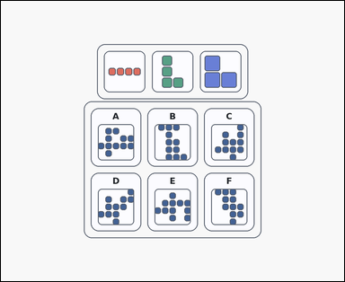 | 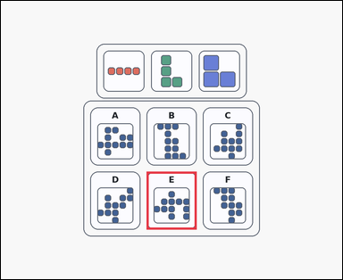 | task_puzzles_spatial_assembly_label | can_be_built | The image shows an outline-style shape-assembly puzzle with several colored pieces above labeled silhouette options. Which option can be formed by using all the pieces exactly once if pieces may be rotated but not flipped? Select the correct option and answer with the option letter. Return a valid JSON object with keys "evidence" and "answer" in that order. Evidence: set "evidence" to an array containing exactly one bounding box [x1, y1, x2, y2] for the correct option panel. Answer: set "answer" to the exact option letter of the correct image option. Example JSON: {"evidence":[[222,488,398,692]],"answer":"C"} | The image shows an outline-style shape-assembly puzzle with several colored pieces above labeled silhouette options. Which option can be formed by using all the pieces exactly once if pieces may be rotated but not flipped? Select the correct option and answer with the option letter. Return a valid JSON object with key "answer". Answer requirement: set "answer" to the exact option letter of the correct image option. Example JSON: {"answer":"C"} | {"evidence": [[512.0, 601.0, 688.0, 805.0]], "answer": "E"} | [[512.0, 601.0, 688.0, 805.0]] | option_letter | bbox_set | 561066751330293 | puzzles/task_puzzles_spatial_assembly_label/images/default/0006.png | puzzles/task_puzzles_spatial_assembly_label/data/default/0006.json
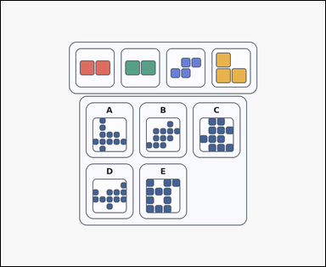 | 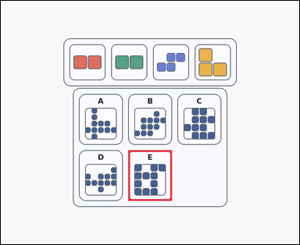 | task_puzzles_spatial_assembly_label | can_be_built | You are given a card-style shape-assembly puzzle with several colored pieces above labeled silhouette options. Which option can be formed by using all the pieces exactly once if pieces may be rotated but not flipped? Select the correct option and answer with the option letter. Return a valid JSON object with keys "evidence" and "answer" in that order. Evidence format: set "evidence" to an array containing exactly one bounding box [x1, y1, x2, y2] for the correct option panel. Answer requirement: set "answer" to the exact option letter of the correct image option. Example JSON: {"evidence":[[222,488,398,692]],"answer":"C"} | You are given a card-style shape-assembly puzzle with several colored pieces above labeled silhouette options. Which option can be formed by using all the pieces exactly once if pieces may be rotated but not flipped? Select the correct option and answer with the option letter. Return a valid JSON object with key "answer". Answer field: set "answer" to the exact option letter of the correct image option. Example JSON: {"answer":"C"} | {"evidence": [[512.0, 601.0, 688.0, 805.0]], "answer": "E"} | [[512.0, 601.0, 688.0, 805.0]] | option_letter | bbox_set | 804315469199739 | puzzles/task_puzzles_spatial_assembly_label/images/default/0022.png | puzzles/task_puzzles_spatial_assembly_label/data/default/0022.json
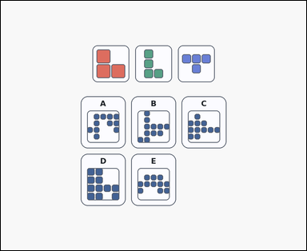 | 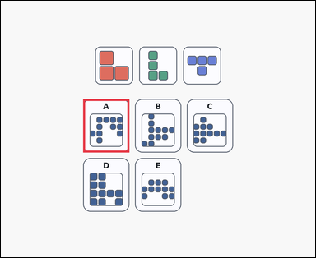 | task_puzzles_spatial_assembly_label | can_be_built | The image shows a shape-assembly puzzle with several colored pieces above labeled silhouette options. Determine which labeled silhouette can be built from the pieces when every piece must be used exactly once and pieces may be rotated but not flipped. Choose the correct labeled silhouette and answer with the option letter. Return a valid JSON object with keys "evidence" and "answer" in that order. Evidence field: set "evidence" to an array containing exactly one bounding box [x1, y1, x2, y2] for the correct option panel. Answer field: set "answer" to the exact option letter of the correct image option. Example JSON: {"evidence":[[222,488,398,692]],"answer":"C"} | The image shows a shape-assembly puzzle with several colored pieces above labeled silhouette options. Determine which labeled silhouette can be built from the pieces when every piece must be used exactly once and pieces may be rotated but not flipped. Choose the correct labeled silhouette and answer with the option letter. Return a valid JSON object with key "answer". Answer field: set "answer" to the exact option letter of the correct image option. Example JSON: {"answer":"C"} | {"evidence": [[314.0, 375.0, 490.0, 579.0]], "answer": "A"} | [[314.0, 375.0, 490.0, 579.0]] | option_letter | bbox_set | 867442732661416 | puzzles/task_puzzles_spatial_assembly_label/images/default/0015.png | puzzles/task_puzzles_spatial_assembly_label/data/default/0015.json
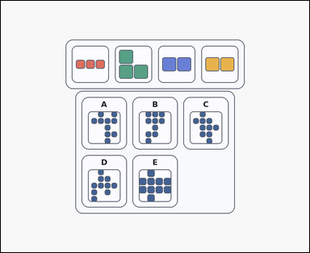 | 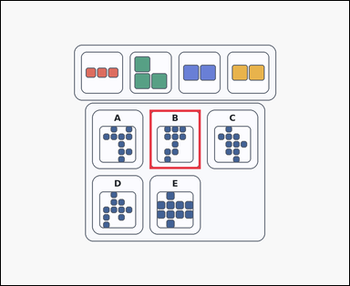 | task_puzzles_spatial_assembly_label | can_be_built | Use the pieces above and the labeled target-shape options below: a card-style shape-assembly puzzle with several colored pieces above labeled silhouette options. Use all the shown pieces exactly once. Which labeled option can be built if pieces may be rotated but not flipped? Select the correct option and answer with the option letter. Return a valid JSON object with keys "evidence" and "answer" in that order. Evidence requirement: set "evidence" to an array containing exactly one bounding box [x1, y1, x2, y2] for the correct option panel. Answer format: set "answer" to the exact option letter of the correct image option. Example JSON: {"evidence":[[222,488,398,692]],"answer":"C"} | Use the pieces above and the labeled target-shape options below: a card-style shape-assembly puzzle with several colored pieces above labeled silhouette options. Use all the shown pieces exactly once. Which labeled option can be built if pieces may be rotated but not flipped? Select the correct option and answer with the option letter. Return a valid JSON object with key "answer". Answer rule: set "answer" to the exact option letter of the correct image option. Example JSON: {"answer":"C"} | {"evidence": [[512.0, 375.0, 688.0, 579.0]], "answer": "B"} | [[512.0, 375.0, 688.0, 579.0]] | option_letter | bbox_set | 1.0250947028E+15 | puzzles/task_puzzles_spatial_assembly_label/images/default/0010.png | puzzles/task_puzzles_spatial_assembly_label/data/default/0010.json
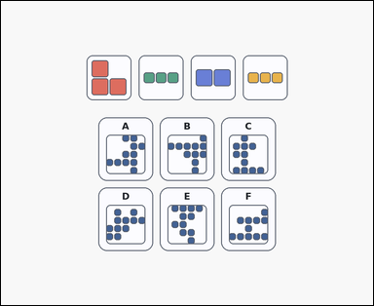 | 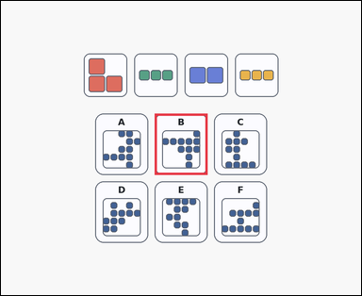 | task_puzzles_spatial_assembly_label | can_be_built | Use the pieces above and the labeled target-shape options below: a shape-assembly puzzle with several colored pieces above labeled silhouette options. Which option can be formed by using all the pieces exactly once if pieces may be rotated but not flipped? Choose the correct labeled silhouette and answer with the option letter. Return a valid JSON object with keys "evidence" and "answer" in that order. Evidence requirement: set "evidence" to an array containing exactly one bounding box [x1, y1, x2, y2] for the correct option panel. Answer format: set "answer" to the exact option letter of the correct image option. Example JSON: {"evidence":[[222,488,398,692]],"answer":"C"} | Use the pieces above and the labeled target-shape options below: a shape-assembly puzzle with several colored pieces above labeled silhouette options. Which option can be formed by using all the pieces exactly once if pieces may be rotated but not flipped? Choose the correct labeled silhouette and answer with the option letter. Return a valid JSON object with key "answer". Answer format: set "answer" to the exact option letter of the correct image option. Example JSON: {"answer":"C"} | {"evidence": [[512.0, 375.0, 688.0, 579.0]], "answer": "B"} | [[512.0, 375.0, 688.0, 579.0]] | option_letter | bbox_set | 1.142562411E+15 | puzzles/task_puzzles_spatial_assembly_label/images/default/0019.png | puzzles/task_puzzles_spatial_assembly_label/data/default/0019.json
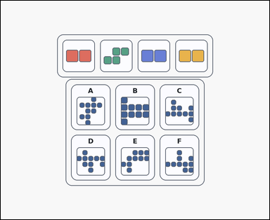 | 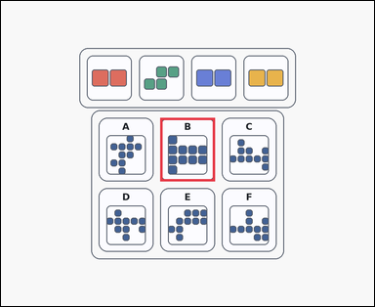 | task_puzzles_spatial_assembly_label | can_be_built | The image shows an outline-style shape-assembly puzzle with several colored pieces above labeled silhouette options. Use all the shown pieces exactly once. Which labeled option can be built if pieces may be rotated but not flipped? Choose the correct labeled silhouette and answer with the option letter. Return a valid JSON object with keys "evidence" and "answer" in that order. Evidence rule: set "evidence" to an array containing exactly one bounding box [x1, y1, x2, y2] for the correct option panel. Answer rule: set "answer" to the exact option letter of the correct image option. Example JSON: {"evidence":[[222,488,398,692]],"answer":"C"} | The image shows an outline-style shape-assembly puzzle with several colored pieces above labeled silhouette options. Use all the shown pieces exactly once. Which labeled option can be built if pieces may be rotated but not flipped? Choose the correct labeled silhouette and answer with the option letter. Return a valid JSON object with key "answer". Answer: set "answer" to the exact option letter of the correct image option. Example JSON: {"answer":"C"} | {"evidence": [[512.0, 375.0, 688.0, 579.0]], "answer": "B"} | [[512.0, 375.0, 688.0, 579.0]] | option_letter | bbox_set | 1.8040757875E+15 | puzzles/task_puzzles_spatial_assembly_label/images/default/0014.png | puzzles/task_puzzles_spatial_assembly_label/data/default/0014.json
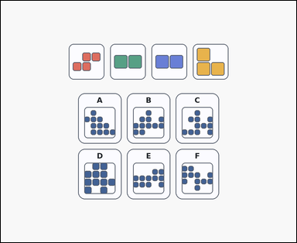 | 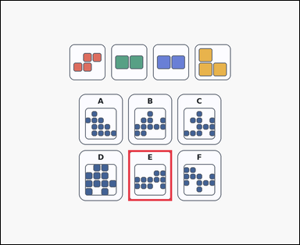 | task_puzzles_spatial_assembly_label | can_be_built | Look at the shape-assembly puzzle in the image: a shape-assembly puzzle with several colored pieces above labeled silhouette options. Determine which labeled silhouette can be built from the pieces when every piece must be used exactly once and pieces may be rotated but not flipped. Select the correct option and answer with the option letter. Return a valid JSON object with keys "evidence" and "answer" in that order. Evidence format: set "evidence" to an array containing exactly one bounding box [x1, y1, x2, y2] for the correct option panel. Answer requirement: set "answer" to the exact option letter of the correct image option. Example JSON: {"evidence":[[222,488,398,692]],"answer":"C"} | Look at the shape-assembly puzzle in the image: a shape-assembly puzzle with several colored pieces above labeled silhouette options. Determine which labeled silhouette can be built from the pieces when every piece must be used exactly once and pieces may be rotated but not flipped. Select the correct option and answer with the option letter. Return a valid JSON object with key "answer". Answer format: set "answer" to the exact option letter of the correct image option. Example JSON: {"answer":"C"} | {"evidence": [[512.0, 601.0, 688.0, 805.0]], "answer": "E"} | [[512.0, 601.0, 688.0, 805.0]] | option_letter | bbox_set | 1.9564019246E+15 | puzzles/task_puzzles_spatial_assembly_label/images/default/0001.png | puzzles/task_puzzles_spatial_assembly_label/data/default/0001.json
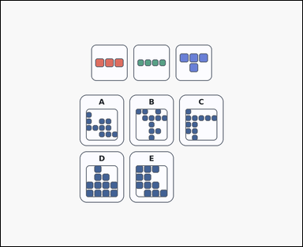 | 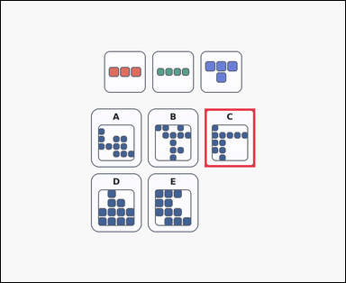 | task_puzzles_spatial_assembly_label | can_be_built | You are given a shape-assembly puzzle with several colored pieces above labeled silhouette options. Use all the shown pieces exactly once. Which labeled option can be built if pieces may be rotated but not flipped? Choose the correct labeled silhouette and answer with the option letter. Return a valid JSON object with keys "evidence" and "answer" in that order. Evidence requirement: set "evidence" to an array containing exactly one bounding box [x1, y1, x2, y2] for the correct option panel. Answer format: set "answer" to the exact option letter of the correct image option. Example JSON: {"evidence":[[222,488,398,692]],"answer":"C"} | You are given a shape-assembly puzzle with several colored pieces above labeled silhouette options. Use all the shown pieces exactly once. Which labeled option can be built if pieces may be rotated but not flipped? Choose the correct labeled silhouette and answer with the option letter. Return a valid JSON object with key "answer". Answer field: set "answer" to the exact option letter of the correct image option. Example JSON: {"answer":"C"} | {"evidence": [[710.0, 375.0, 886.0, 579.0]], "answer": "C"} | [[710.0, 375.0, 886.0, 579.0]] | option_letter | bbox_set | 2.2461077005E+15 | puzzles/task_puzzles_spatial_assembly_label/images/default/0023.png | puzzles/task_puzzles_spatial_assembly_label/data/default/0023.json
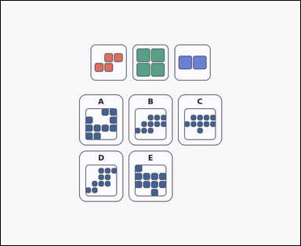 | 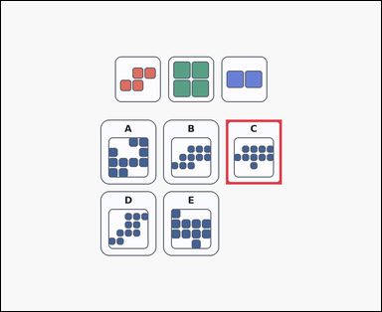 | task_puzzles_spatial_assembly_label | can_be_built | Use the pieces above and the labeled target-shape options below: a shape-assembly puzzle with several colored pieces above labeled silhouette options. Which option can be formed by using all the pieces exactly once if pieces may be rotated but not flipped? Answer with the option letter. Return a valid JSON object with keys "evidence" and "answer" in that order. Evidence requirement: set "evidence" to an array containing exactly one bounding box [x1, y1, x2, y2] for the correct option panel. Answer format: set "answer" to the exact option letter of the correct image option. Example JSON: {"evidence":[[222,488,398,692]],"answer":"C"} | Use the pieces above and the labeled target-shape options below: a shape-assembly puzzle with several colored pieces above labeled silhouette options. Which option can be formed by using all the pieces exactly once if pieces may be rotated but not flipped? Answer with the option letter. Return a valid JSON object with key "answer". Answer: set "answer" to the exact option letter of the correct image option. Example JSON: {"answer":"C"} | {"evidence": [[710.0, 375.0, 886.0, 579.0]], "answer": "C"} | [[710.0, 375.0, 886.0, 579.0]] | option_letter | bbox_set | 3.0843620098E+15 | puzzles/task_puzzles_spatial_assembly_label/images/default/0024.png | puzzles/task_puzzles_spatial_assembly_label/data/default/0024.json
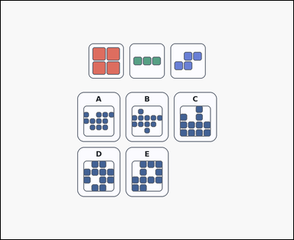 | 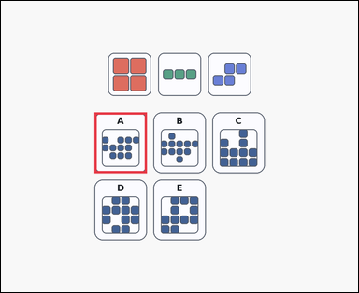 | task_puzzles_spatial_assembly_label | can_be_built | The image shows a shape-assembly puzzle with several colored pieces above labeled silhouette options. Which option can be formed by using all the pieces exactly once if pieces may be rotated but not flipped? Select the correct option and answer with the option letter. Return a valid JSON object with keys "evidence" and "answer" in that order. Evidence field: set "evidence" to an array containing exactly one bounding box [x1, y1, x2, y2] for the correct option panel. Answer field: set "answer" to the exact option letter of the correct image option. Example JSON: {"evidence":[[222,488,398,692]],"answer":"C"} | The image shows a shape-assembly puzzle with several colored pieces above labeled silhouette options. Which option can be formed by using all the pieces exactly once if pieces may be rotated but not flipped? Select the correct option and answer with the option letter. Return a valid JSON object with key "answer". Answer rule: set "answer" to the exact option letter of the correct image option. Example JSON: {"answer":"C"} | {"evidence": [[314.0, 375.0, 490.0, 579.0]], "answer": "A"} | [[314.0, 375.0, 490.0, 579.0]] | option_letter | bbox_set | 3.2424953389E+15 | puzzles/task_puzzles_spatial_assembly_label/images/default/0018.png | puzzles/task_puzzles_spatial_assembly_label/data/default/0018.json
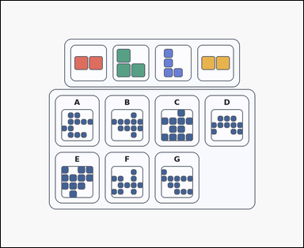 | 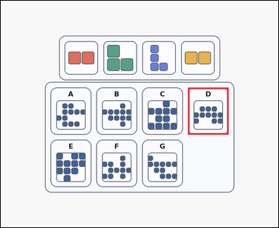 | task_puzzles_spatial_assembly_label | can_be_built | Look at the shape-assembly puzzle in the image: a card-style shape-assembly puzzle with several colored pieces above labeled silhouette options. Use all the shown pieces exactly once. Which labeled option can be built if pieces may be rotated but not flipped? Select the correct option and answer with the option letter. Return a valid JSON object with keys "evidence" and "answer" in that order. Evidence rule: set "evidence" to an array containing exactly one bounding box [x1, y1, x2, y2] for the correct option panel. Answer rule: set "answer" to the exact option letter of the correct image option. Example JSON: {"evidence":[[222,488,398,692]],"answer":"C"} | Look at the shape-assembly puzzle in the image: a card-style shape-assembly puzzle with several colored pieces above labeled silhouette options. Use all the shown pieces exactly once. Which labeled option can be built if pieces may be rotated but not flipped? Select the correct option and answer with the option letter. Return a valid JSON object with key "answer". Answer rule: set "answer" to the exact option letter of the correct image option. Example JSON: {"answer":"C"} | {"evidence": [[809.0, 375.0, 985.0, 579.0]], "answer": "D"} | [[809.0, 375.0, 985.0, 579.0]] | option_letter | bbox_set | 3.6350019459E+15 | puzzles/task_puzzles_spatial_assembly_label/images/default/0007.png | puzzles/task_puzzles_spatial_assembly_label/data/default/0007.json
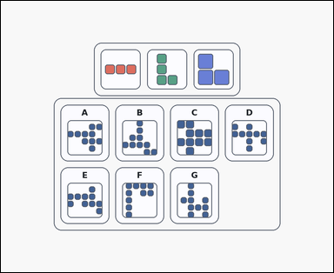 | 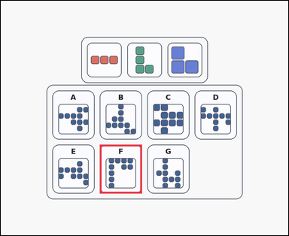 | task_puzzles_spatial_assembly_label | can_be_built | Look at the shape-assembly puzzle in the image: an outline-style shape-assembly puzzle with several colored pieces above labeled silhouette options. Which option can be formed by using all the pieces exactly once if pieces may be rotated but not flipped? Select the correct option and answer with the option letter. Return a valid JSON object with keys "evidence" and "answer" in that order. Evidence requirement: set "evidence" to an array containing exactly one bounding box [x1, y1, x2, y2] for the correct option panel. Answer format: set "answer" to the exact option letter of the correct image option. Example JSON: {"evidence":[[222,488,398,692]],"answer":"C"} | Look at the shape-assembly puzzle in the image: an outline-style shape-assembly puzzle with several colored pieces above labeled silhouette options. Which option can be formed by using all the pieces exactly once if pieces may be rotated but not flipped? Select the correct option and answer with the option letter. Return a valid JSON object with key "answer". Answer: set "answer" to the exact option letter of the correct image option. Example JSON: {"answer":"C"} | {"evidence": [[413.0, 601.0, 589.0, 805.0]], "answer": "F"} | [[413.0, 601.0, 589.0, 805.0]] | option_letter | bbox_set | 4.0578829804E+15 | puzzles/task_puzzles_spatial_assembly_label/images/default/0011.png | puzzles/task_puzzles_spatial_assembly_label/data/default/0011.json
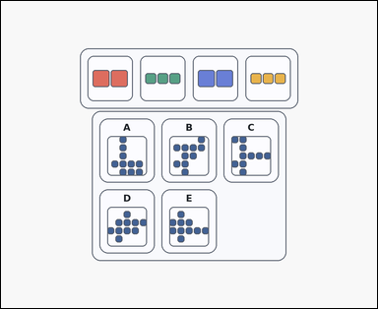 | 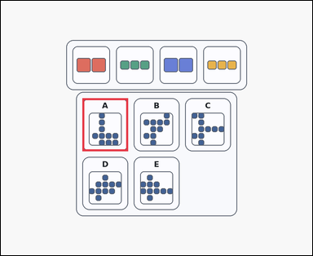 | task_puzzles_spatial_assembly_label | can_be_built | Use the pieces above and the labeled target-shape options below: a card-style shape-assembly puzzle with several colored pieces above labeled silhouette options. Use all the shown pieces exactly once. Which labeled option can be built if pieces may be rotated but not flipped? Select the correct option and answer with the option letter. Return a valid JSON object with keys "evidence" and "answer" in that order. Evidence requirement: set "evidence" to an array containing exactly one bounding box [x1, y1, x2, y2] for the correct option panel. Answer format: set "answer" to the exact option letter of the correct image option. Example JSON: {"evidence":[[222,488,398,692]],"answer":"C"} | Use the pieces above and the labeled target-shape options below: a card-style shape-assembly puzzle with several colored pieces above labeled silhouette options. Use all the shown pieces exactly once. Which labeled option can be built if pieces may be rotated but not flipped? Select the correct option and answer with the option letter. Return a valid JSON object with key "answer". Answer: set "answer" to the exact option letter of the correct image option. Example JSON: {"answer":"C"} | {"evidence": [[314.0, 375.0, 490.0, 579.0]], "answer": "A"} | [[314.0, 375.0, 490.0, 579.0]] | option_letter | bbox_set | 4.1667146795E+15 | puzzles/task_puzzles_spatial_assembly_label/images/default/0009.png | puzzles/task_puzzles_spatial_assembly_label/data/default/0009.json
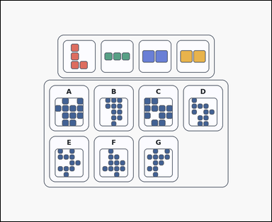 | 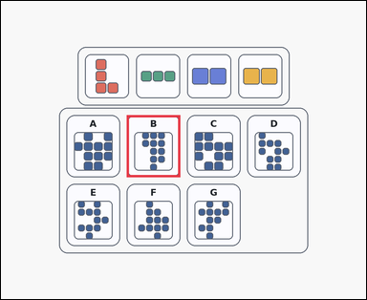 | task_puzzles_spatial_assembly_label | can_be_built | Work from the shown pieces and labeled silhouette options: an outline-style shape-assembly puzzle with several colored pieces above labeled silhouette options. Determine which labeled silhouette can be built from the pieces when every piece must be used exactly once and pieces may be rotated but not flipped. Select the correct option and answer with the option letter. Return a valid JSON object with keys "evidence" and "answer" in that order. Evidence rule: set "evidence" to an array containing exactly one bounding box [x1, y1, x2, y2] for the correct option panel. Answer rule: set "answer" to the exact option letter of the correct image option. Example JSON: {"evidence":[[222,488,398,692]],"answer":"C"} | Work from the shown pieces and labeled silhouette options: an outline-style shape-assembly puzzle with several colored pieces above labeled silhouette options. Determine which labeled silhouette can be built from the pieces when every piece must be used exactly once and pieces may be rotated but not flipped. Select the correct option and answer with the option letter. Return a valid JSON object with key "answer". Answer: set "answer" to the exact option letter of the correct image option. Example JSON: {"answer":"C"} | {"evidence": [[413.0, 375.0, 589.0, 579.0]], "answer": "B"} | [[413.0, 375.0, 589.0, 579.0]] | option_letter | bbox_set | 4.5439594126E+15 | puzzles/task_puzzles_spatial_assembly_label/images/default/0021.png | puzzles/task_puzzles_spatial_assembly_label/data/default/0021.json
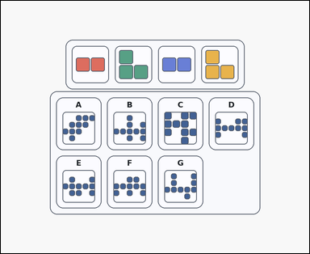 | 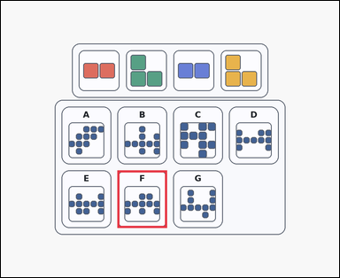 | task_puzzles_spatial_assembly_label | can_be_built | Work from the shown pieces and labeled silhouette options: a card-style shape-assembly puzzle with several colored pieces above labeled silhouette options. Which option can be formed by using all the pieces exactly once if pieces may be rotated but not flipped? Choose the correct labeled silhouette and answer with the option letter. Return a valid JSON object with keys "evidence" and "answer" in that order. Evidence: set "evidence" to an array containing exactly one bounding box [x1, y1, x2, y2] for the correct option panel. Answer: set "answer" to the exact option letter of the correct image option. Example JSON: {"evidence":[[222,488,398,692]],"answer":"C"} | Work from the shown pieces and labeled silhouette options: a card-style shape-assembly puzzle with several colored pieces above labeled silhouette options. Which option can be formed by using all the pieces exactly once if pieces may be rotated but not flipped? Choose the correct labeled silhouette and answer with the option letter. Return a valid JSON object with key "answer". Answer: set "answer" to the exact option letter of the correct image option. Example JSON: {"answer":"C"} | {"evidence": [[413.0, 601.0, 589.0, 805.0]], "answer": "F"} | [[413.0, 601.0, 589.0, 805.0]] | option_letter | bbox_set | 4.6221178227E+15 | puzzles/task_puzzles_spatial_assembly_label/images/default/0002.png | puzzles/task_puzzles_spatial_assembly_label/data/default/0002.json
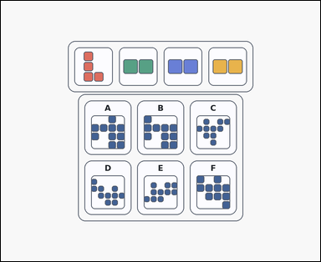 | 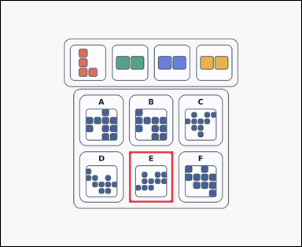 | task_puzzles_spatial_assembly_label | can_be_built | Work from the shown pieces and labeled silhouette options: an outline-style shape-assembly puzzle with several colored pieces above labeled silhouette options. Which option can be assembled from all the pieces exactly once, allowing rotation but not flipping? Respond with the option letter of the shape that can be built. Return a valid JSON object with keys "evidence" and "answer" in that order. Evidence requirement: set "evidence" to an array containing exactly one bounding box [x1, y1, x2, y2] for the correct option panel. Answer format: set "answer" to the exact option letter of the correct image option. Example JSON: {"evidence":[[222,488,398,692]],"answer":"C"} | Work from the shown pieces and labeled silhouette options: an outline-style shape-assembly puzzle with several colored pieces above labeled silhouette options. Which option can be assembled from all the pieces exactly once, allowing rotation but not flipping? Respond with the option letter of the shape that can be built. Return a valid JSON object with key "answer". Answer: set "answer" to the exact option letter of the correct image option. Example JSON: {"answer":"C"} | {"evidence": [[512.0, 601.0, 688.0, 805.0]], "answer": "E"} | [[512.0, 601.0, 688.0, 805.0]] | option_letter | bbox_set | 5.3935390952E+15 | puzzles/task_puzzles_spatial_assembly_label/images/default/0000.png | puzzles/task_puzzles_spatial_assembly_label/data/default/0000.json
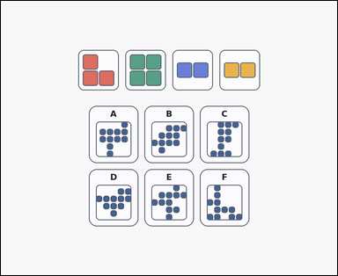 | 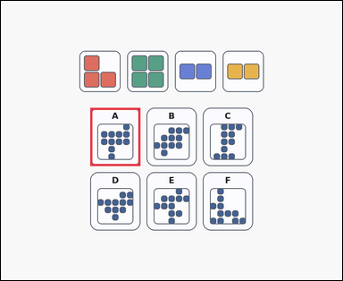 | task_puzzles_spatial_assembly_label | can_be_built | Use the pieces above and the labeled target-shape options below: a shape-assembly puzzle with several colored pieces above labeled silhouette options. Which option can be assembled from all the pieces exactly once, allowing rotation but not flipping? Answer with the option letter. Return a valid JSON object with keys "evidence" and "answer" in that order. Evidence requirement: set "evidence" to an array containing exactly one bounding box [x1, y1, x2, y2] for the correct option panel. Answer format: set "answer" to the exact option letter of the correct image option. Example JSON: {"evidence":[[222,488,398,692]],"answer":"C"} | Use the pieces above and the labeled target-shape options below: a shape-assembly puzzle with several colored pieces above labeled silhouette options. Which option can be assembled from all the pieces exactly once, allowing rotation but not flipping? Answer with the option letter. Return a valid JSON object with key "answer". Answer format: set "answer" to the exact option letter of the correct image option. Example JSON: {"answer":"C"} | {"evidence": [[314.0, 375.0, 490.0, 579.0]], "answer": "A"} | [[314.0, 375.0, 490.0, 579.0]] | option_letter | bbox_set | 5.6095452965E+15 | puzzles/task_puzzles_spatial_assembly_label/images/default/0004.png | puzzles/task_puzzles_spatial_assembly_label/data/default/0004.json
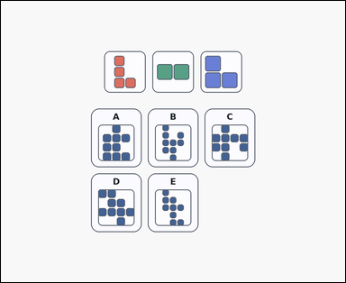 | 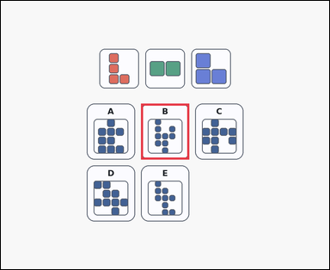 | task_puzzles_spatial_assembly_label | can_be_built | Look at the shape-assembly puzzle in the image: a shape-assembly puzzle with several colored pieces above labeled silhouette options. Choose the option that can be formed using all the pieces exactly once. Pieces may be rotated but not flipped. Respond with the option letter of the shape that can be built. Return a valid JSON object with keys "evidence" and "answer" in that order. Evidence rule: set "evidence" to an array containing exactly one bounding box [x1, y1, x2, y2] for the correct option panel. Answer rule: set "answer" to the exact option letter of the correct image option. Example JSON: {"evidence":[[222,488,398,692]],"answer":"C"} | Look at the shape-assembly puzzle in the image: a shape-assembly puzzle with several colored pieces above labeled silhouette options. Choose the option that can be formed using all the pieces exactly once. Pieces may be rotated but not flipped. Respond with the option letter of the shape that can be built. Return a valid JSON object with key "answer". Answer: set "answer" to the exact option letter of the correct image option. Example JSON: {"answer":"C"} | {"evidence": [[512.0, 375.0, 688.0, 579.0]], "answer": "B"} | [[512.0, 375.0, 688.0, 579.0]] | option_letter | bbox_set | 6.3651059256E+15 | puzzles/task_puzzles_spatial_assembly_label/images/default/0020.png | puzzles/task_puzzles_spatial_assembly_label/data/default/0020.json
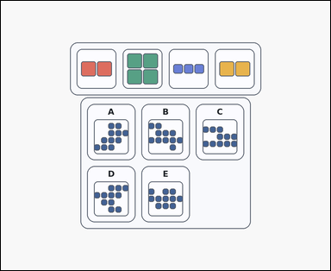 | 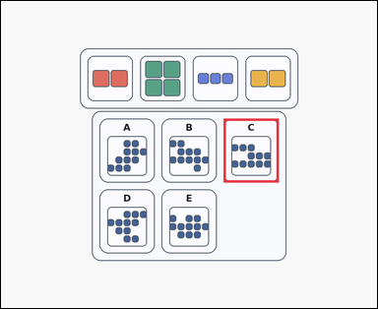 | task_puzzles_spatial_assembly_label | can_be_built | The image shows a card-style shape-assembly puzzle with several colored pieces above labeled silhouette options. Which option can be assembled from all the pieces exactly once, allowing rotation but not flipping? Return the option letter of the buildable target shape. Return a valid JSON object with keys "evidence" and "answer" in that order. Evidence requirement: set "evidence" to an array containing exactly one bounding box [x1, y1, x2, y2] for the correct option panel. Answer format: set "answer" to the exact option letter of the correct image option. Example JSON: {"evidence":[[222,488,398,692]],"answer":"C"} | The image shows a card-style shape-assembly puzzle with several colored pieces above labeled silhouette options. Which option can be assembled from all the pieces exactly once, allowing rotation but not flipping? Return the option letter of the buildable target shape. Return a valid JSON object with key "answer". Answer format: set "answer" to the exact option letter of the correct image option. Example JSON: {"answer":"C"} | {"evidence": [[710.0, 375.0, 886.0, 579.0]], "answer": "C"} | [[710.0, 375.0, 886.0, 579.0]] | option_letter | bbox_set | 6.9227919272E+15 | puzzles/task_puzzles_spatial_assembly_label/images/default/0008.png | puzzles/task_puzzles_spatial_assembly_label/data/default/0008.json
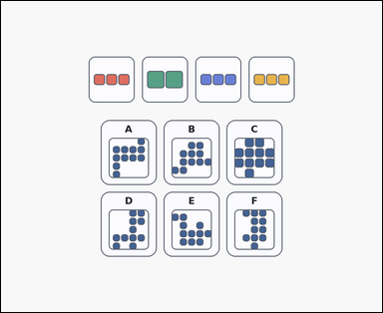 | 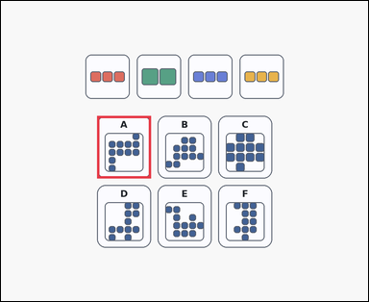 | task_puzzles_spatial_assembly_label | can_be_built | The image shows a shape-assembly puzzle with several colored pieces above labeled silhouette options. Which option can be formed by using all the pieces exactly once if pieces may be rotated but not flipped? Select the correct option and answer with the option letter. Return a valid JSON object with keys "evidence" and "answer" in that order. Evidence format: set "evidence" to an array containing exactly one bounding box [x1, y1, x2, y2] for the correct option panel. Answer requirement: set "answer" to the exact option letter of the correct image option. Example JSON: {"evidence":[[222,488,398,692]],"answer":"C"} | The image shows a shape-assembly puzzle with several colored pieces above labeled silhouette options. Which option can be formed by using all the pieces exactly once if pieces may be rotated but not flipped? Select the correct option and answer with the option letter. Return a valid JSON object with key "answer". Answer: set "answer" to the exact option letter of the correct image option. Example JSON: {"answer":"C"} | {"evidence": [[314.0, 375.0, 490.0, 579.0]], "answer": "A"} | [[314.0, 375.0, 490.0, 579.0]] | option_letter | bbox_set | 6.9339013247E+15 | puzzles/task_puzzles_spatial_assembly_label/images/default/0012.png | puzzles/task_puzzles_spatial_assembly_label/data/default/0012.json
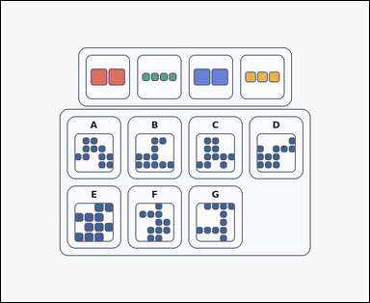 | 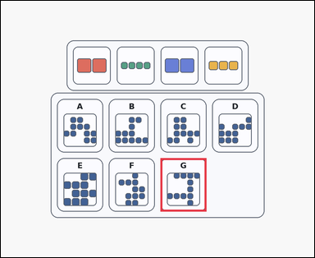 | task_puzzles_spatial_assembly_label | can_be_built | Look at the shape-assembly puzzle in the image: a card-style shape-assembly puzzle with several colored pieces above labeled silhouette options. Determine which labeled silhouette can be built from the pieces when every piece must be used exactly once and pieces may be rotated but not flipped. Choose the correct labeled silhouette and answer with the option letter. Return a valid JSON object with keys "evidence" and "answer" in that order. Evidence requirement: set "evidence" to an array containing exactly one bounding box [x1, y1, x2, y2] for the correct option panel. Answer format: set "answer" to the exact option letter of the correct image option. Example JSON: {"evidence":[[222,488,398,692]],"answer":"C"} | Look at the shape-assembly puzzle in the image: a card-style shape-assembly puzzle with several colored pieces above labeled silhouette options. Determine which labeled silhouette can be built from the pieces when every piece must be used exactly once and pieces may be rotated but not flipped. Choose the correct labeled silhouette and answer with the option letter. Return a valid JSON object with key "answer". Answer: set "answer" to the exact option letter of the correct image option. Example JSON: {"answer":"C"} | {"evidence": [[611.0, 601.0, 787.0, 805.0]], "answer": "G"} | [[611.0, 601.0, 787.0, 805.0]] | option_letter | bbox_set | 6.99413054E+15 | puzzles/task_puzzles_spatial_assembly_label/images/default/0016.png | puzzles/task_puzzles_spatial_assembly_label/data/default/0016.json
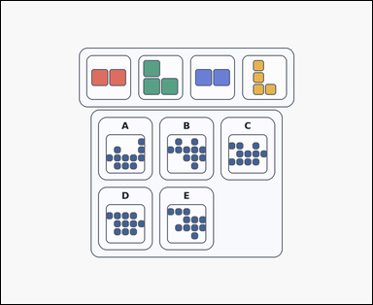 | 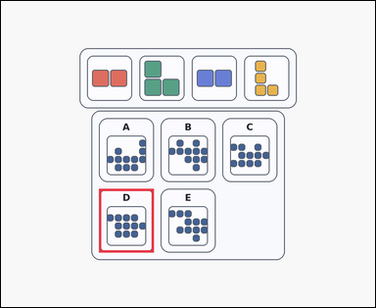 | task_puzzles_spatial_assembly_label | can_be_built | Use the pieces above and the labeled target-shape options below: a card-style shape-assembly puzzle with several colored pieces above labeled silhouette options. Use all the shown pieces exactly once. Which labeled option can be built if pieces may be rotated but not flipped? Return the option letter of the buildable target shape. Return a valid JSON object with keys "evidence" and "answer" in that order. Evidence format: set "evidence" to an array containing exactly one bounding box [x1, y1, x2, y2] for the correct option panel. Answer requirement: set "answer" to the exact option letter of the correct image option. Example JSON: {"evidence":[[222,488,398,692]],"answer":"C"} | Use the pieces above and the labeled target-shape options below: a card-style shape-assembly puzzle with several colored pieces above labeled silhouette options. Use all the shown pieces exactly once. Which labeled option can be built if pieces may be rotated but not flipped? Return the option letter of the buildable target shape. Return a valid JSON object with key "answer". Answer rule: set "answer" to the exact option letter of the correct image option. Example JSON: {"answer":"C"} | {"evidence": [[314.0, 601.0, 490.0, 805.0]], "answer": "D"} | [[314.0, 601.0, 490.0, 805.0]] | option_letter | bbox_set | 7.6971928199E+15 | puzzles/task_puzzles_spatial_assembly_label/images/default/0017.png | puzzles/task_puzzles_spatial_assembly_label/data/default/0017.json
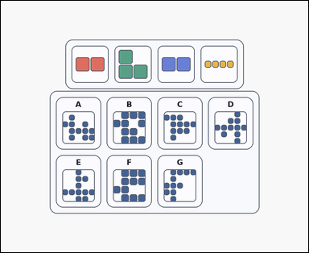 | 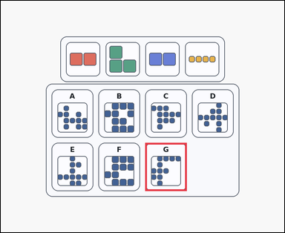 | task_puzzles_spatial_assembly_label | can_be_built | Work from the shown pieces and labeled silhouette options: a card-style shape-assembly puzzle with several colored pieces above labeled silhouette options. Which option can be formed by using all the pieces exactly once if pieces may be rotated but not flipped? Choose the correct labeled silhouette and answer with the option letter. Return a valid JSON object with keys "evidence" and "answer" in that order. Evidence: set "evidence" to an array containing exactly one bounding box [x1, y1, x2, y2] for the correct option panel. Answer: set "answer" to the exact option letter of the correct image option. Example JSON: {"evidence":[[222,488,398,692]],"answer":"C"} | Work from the shown pieces and labeled silhouette options: a card-style shape-assembly puzzle with several colored pieces above labeled silhouette options. Which option can be formed by using all the pieces exactly once if pieces may be rotated but not flipped? Choose the correct labeled silhouette and answer with the option letter. Return a valid JSON object with key "answer". Answer requirement: set "answer" to the exact option letter of the correct image option. Example JSON: {"answer":"C"} | {"evidence": [[611.0, 601.0, 787.0, 805.0]], "answer": "G"} | [[611.0, 601.0, 787.0, 805.0]] | option_letter | bbox_set | 8.1639402875E+15 | puzzles/task_puzzles_spatial_assembly_label/images/default/0013.png | puzzles/task_puzzles_spatial_assembly_label/data/default/0013.json
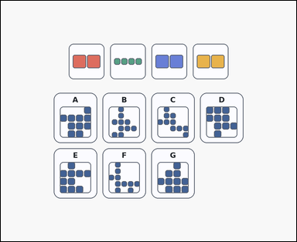 | 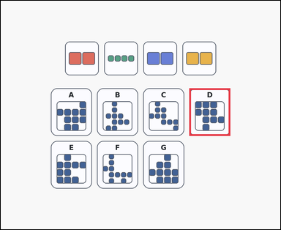 | task_puzzles_spatial_assembly_label | can_be_built | Look at the shape-assembly puzzle in the image: a shape-assembly puzzle with several colored pieces above labeled silhouette options. Determine which labeled silhouette can be built from the pieces when every piece must be used exactly once and pieces may be rotated but not flipped. Respond with the option letter of the shape that can be built. Return a valid JSON object with keys "evidence" and "answer" in that order. Evidence: set "evidence" to an array containing exactly one bounding box [x1, y1, x2, y2] for the correct option panel. Answer: set "answer" to the exact option letter of the correct image option. Example JSON: {"evidence":[[222,488,398,692]],"answer":"C"} | Look at the shape-assembly puzzle in the image: a shape-assembly puzzle with several colored pieces above labeled silhouette options. Determine which labeled silhouette can be built from the pieces when every piece must be used exactly once and pieces may be rotated but not flipped. Respond with the option letter of the shape that can be built. Return a valid JSON object with key "answer". Answer: set "answer" to the exact option letter of the correct image option. Example JSON: {"answer":"C"} | {"evidence": [[809.0, 375.0, 985.0, 579.0]], "answer": "D"} | [[809.0, 375.0, 985.0, 579.0]] | option_letter | bbox_set | 8.3421640202E+15 | puzzles/task_puzzles_spatial_assembly_label/images/default/0003.png | puzzles/task_puzzles_spatial_assembly_label/data/default/0003.json
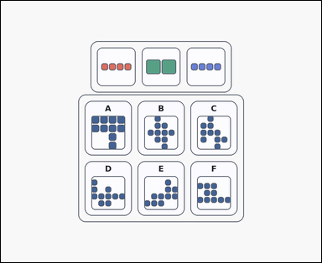 | 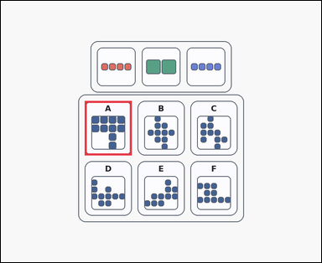 | task_puzzles_spatial_assembly_label | can_be_built | Look at the shape-assembly puzzle in the image: an outline-style shape-assembly puzzle with several colored pieces above labeled silhouette options. Determine which labeled silhouette can be built from the pieces when every piece must be used exactly once and pieces may be rotated but not flipped. Respond with the option letter of the shape that can be built. Return a valid JSON object with keys "evidence" and "answer" in that order. Evidence format: set "evidence" to an array containing exactly one bounding box [x1, y1, x2, y2] for the correct option panel. Answer requirement: set "answer" to the exact option letter of the correct image option. Example JSON: {"evidence":[[222,488,398,692]],"answer":"C"} | Look at the shape-assembly puzzle in the image: an outline-style shape-assembly puzzle with several colored pieces above labeled silhouette options. Determine which labeled silhouette can be built from the pieces when every piece must be used exactly once and pieces may be rotated but not flipped. Respond with the option letter of the shape that can be built. Return a valid JSON object with key "answer". Answer field: set "answer" to the exact option letter of the correct image option. Example JSON: {"answer":"C"} | {"evidence": [[314.0, 375.0, 490.0, 579.0]], "answer": "A"} | [[314.0, 375.0, 490.0, 579.0]] | option_letter | bbox_set | 8.4698766785E+15 | puzzles/task_puzzles_spatial_assembly_label/images/default/0005.png | puzzles/task_puzzles_spatial_assembly_label/data/default/0005.json

