reflection_match
image | evidence_image | task | task_variant | prompt | prompt_answer_only | answer | answer_evidence | answer_type | evidence_type | instance_seed | image_path | data_path
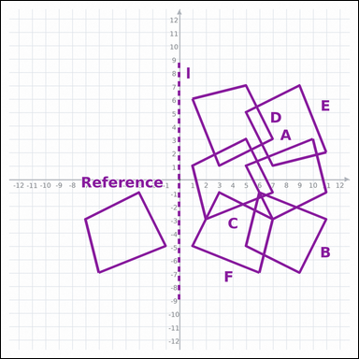 | 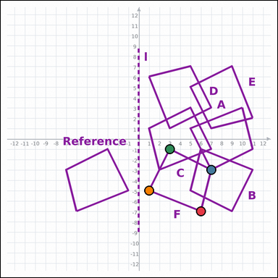 | task_geometry_transformation_match | reflection_match | Look at the graph-paper diagram. It shows a Reference polygon, one transformation cue, and six labeled candidate polygons A through F. Determine the answer from the graph-paper transformation diagram. Use line l as the reflection line. Which labeled polygon is the reflected image of the Reference? Return a valid JSON object with keys "evidence" and "answer" in that order. Evidence field: set "evidence" to an array of exactly 4 graph-paper points for the winning polygon vertices. Answer field: set "answer" to the single-letter label of the correct polygon. Example JSON: {"evidence":[[0,0],[4,0],[4,2],[0,2]],"answer":"B"} | Look at the graph-paper diagram. It shows a Reference polygon, one transformation cue, and six labeled candidate polygons A through F. Determine the answer from the graph-paper transformation diagram. Use line l as the reflection line. Which labeled polygon is the reflected image of the Reference? Return a valid JSON object with key "answer". Answer requirement: set "answer" to the single-letter label of the correct polygon. Example JSON: {"answer":"B"} | {"evidence": [[6, -7], [7, -3], [3, -1], [1, -5]], "answer": "F"} | [[6, -7], [7, -3], [3, -1], [1, -5]] | option_letter | graph_point_set | 43983361459762 | geometry/task_geometry_transformation_match/images/reflection_match/0016.png | geometry/task_geometry_transformation_match/data/reflection_match/0016.json
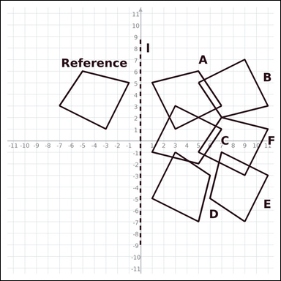 | 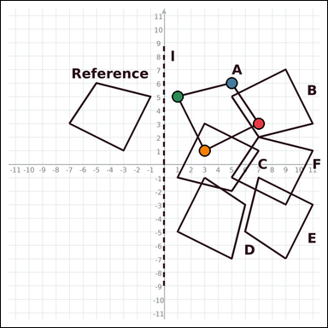 | task_geometry_transformation_match | reflection_match | You are given a graph-paper image with a Reference polygon, one transformation cue, and six labeled candidate polygons A through F. Read the Reference polygon, cue, and labeled candidates carefully, then answer the question. Reflect the Reference across line l. Which labeled polygon matches the result? Return a valid JSON object with keys "evidence" and "answer" in that order. Evidence field: set "evidence" to an array of exactly 4 graph-paper points for the winning polygon vertices. Answer field: set "answer" to the single-letter label of the correct polygon. Example JSON: {"evidence":[[0,0],[4,0],[4,2],[0,2]],"answer":"B"} | You are given a graph-paper image with a Reference polygon, one transformation cue, and six labeled candidate polygons A through F. Read the Reference polygon, cue, and labeled candidates carefully, then answer the question. Reflect the Reference across line l. Which labeled polygon matches the result? Return a valid JSON object with key "answer". Answer format: set "answer" to the single-letter label of the correct polygon. Example JSON: {"answer":"B"} | {"evidence": [[7, 3], [5, 6], [1, 5], [3, 1]], "answer": "A"} | [[7, 3], [5, 6], [1, 5], [3, 1]] | option_letter | graph_point_set | 838016019917726 | geometry/task_geometry_transformation_match/images/reflection_match/0018.png | geometry/task_geometry_transformation_match/data/reflection_match/0018.json
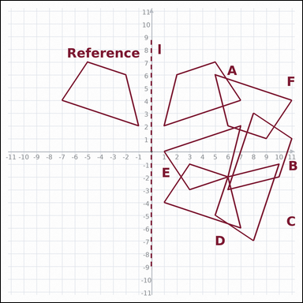 | 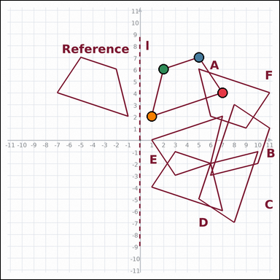 | task_geometry_transformation_match | reflection_match | Look at the graph-paper diagram. It shows a Reference polygon, one transformation cue, and six labeled candidate polygons A through F. Answer the question using the graph-paper diagram. Identify the labeled polygon produced by reflecting the Reference across line l. Return a valid JSON object with keys "evidence" and "answer" in that order. Evidence field: set "evidence" to an array of exactly 4 graph-paper points for the winning polygon vertices. Answer field: set "answer" to the single-letter label of the correct polygon. Example JSON: {"evidence":[[0,0],[4,0],[4,2],[0,2]],"answer":"B"} | Look at the graph-paper diagram. It shows a Reference polygon, one transformation cue, and six labeled candidate polygons A through F. Answer the question using the graph-paper diagram. Identify the labeled polygon produced by reflecting the Reference across line l. Return a valid JSON object with key "answer". Answer: set "answer" to the single-letter label of the correct polygon. Example JSON: {"answer":"B"} | {"evidence": [[7, 4], [5, 7], [2, 6], [1, 2]], "answer": "A"} | [[7, 4], [5, 7], [2, 6], [1, 2]] | option_letter | graph_point_set | 1.5904843876E+15 | geometry/task_geometry_transformation_match/images/reflection_match/0023.png | geometry/task_geometry_transformation_match/data/reflection_match/0023.json
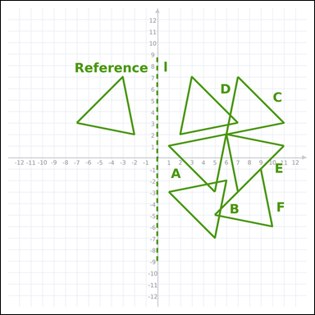 | 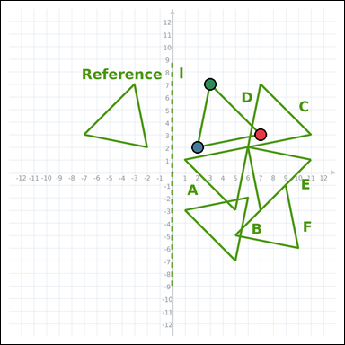 | task_geometry_transformation_match | reflection_match | Use the graph-paper image showing a Reference polygon, one transformation cue, and six labeled candidate polygons A through F. Work from the full transformation scene to answer the question. Identify the labeled polygon produced by reflecting the Reference across line l. Return a valid JSON object with keys "evidence" and "answer" in that order. Evidence field: set "evidence" to an array of exactly 3 graph-paper points for the winning polygon vertices. Answer field: set "answer" to the single-letter label of the correct polygon. Example JSON: {"evidence":[[0,0],[4,0],[0,3]],"answer":"B"} | Use the graph-paper image showing a Reference polygon, one transformation cue, and six labeled candidate polygons A through F. Work from the full transformation scene to answer the question. Identify the labeled polygon produced by reflecting the Reference across line l. Return a valid JSON object with key "answer". Answer format: set "answer" to the single-letter label of the correct polygon. Example JSON: {"answer":"B"} | {"evidence": [[7, 3], [2, 2], [3, 7]], "answer": "D"} | [[7, 3], [2, 2], [3, 7]] | option_letter | graph_point_set | 2.3073772657E+15 | geometry/task_geometry_transformation_match/images/reflection_match/0009.png | geometry/task_geometry_transformation_match/data/reflection_match/0009.json
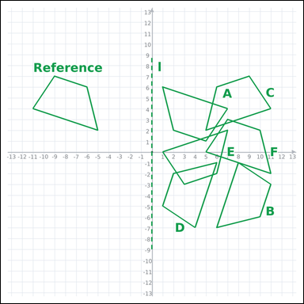 | 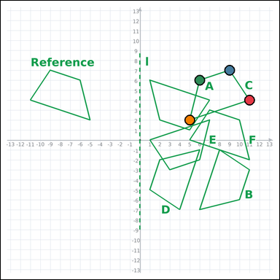 | task_geometry_transformation_match | reflection_match | Look at the graph-paper diagram. It shows a Reference polygon, one transformation cue, and six labeled candidate polygons A through F. Read the Reference polygon, cue, and labeled candidates carefully, then answer the question. Reflect the Reference across line l. Which labeled polygon matches the result? Return a valid JSON object with keys "evidence" and "answer" in that order. Evidence: set "evidence" to an array of exactly 4 graph-paper points for the winning polygon vertices. Answer: set "answer" to the single-letter label of the correct polygon. Example JSON: {"evidence":[[0,0],[4,0],[4,2],[0,2]],"answer":"B"} | Look at the graph-paper diagram. It shows a Reference polygon, one transformation cue, and six labeled candidate polygons A through F. Read the Reference polygon, cue, and labeled candidates carefully, then answer the question. Reflect the Reference across line l. Which labeled polygon matches the result? Return a valid JSON object with key "answer". Answer format: set "answer" to the single-letter label of the correct polygon. Example JSON: {"answer":"B"} | {"evidence": [[11, 4], [9, 7], [6, 6], [5, 2]], "answer": "C"} | [[11, 4], [9, 7], [6, 6], [5, 2]] | option_letter | graph_point_set | 3.0111053049E+15 | geometry/task_geometry_transformation_match/images/reflection_match/0012.png | geometry/task_geometry_transformation_match/data/reflection_match/0012.json
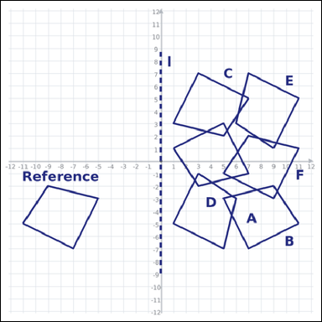 | 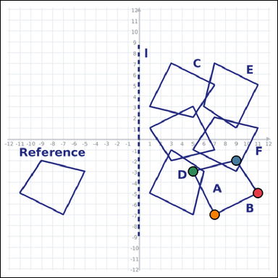 | task_geometry_transformation_match | reflection_match | You are given a graph-paper image with a Reference polygon, one transformation cue, and six labeled candidate polygons A through F. Determine the answer from the graph-paper transformation diagram. Identify the labeled polygon produced by reflecting the Reference across line l. Return a valid JSON object with keys "evidence" and "answer" in that order. Evidence: set "evidence" to an array of exactly 4 graph-paper points for the winning polygon vertices. Answer: set "answer" to the single-letter label of the correct polygon. Example JSON: {"evidence":[[0,0],[4,0],[4,2],[0,2]],"answer":"B"} | You are given a graph-paper image with a Reference polygon, one transformation cue, and six labeled candidate polygons A through F. Determine the answer from the graph-paper transformation diagram. Identify the labeled polygon produced by reflecting the Reference across line l. Return a valid JSON object with key "answer". Answer requirement: set "answer" to the single-letter label of the correct polygon. Example JSON: {"answer":"B"} | {"evidence": [[11, -5], [9, -2], [5, -3], [7, -7]], "answer": "B"} | [[11, -5], [9, -2], [5, -3], [7, -7]] | option_letter | graph_point_set | 3.2710303097E+15 | geometry/task_geometry_transformation_match/images/reflection_match/0021.png | geometry/task_geometry_transformation_match/data/reflection_match/0021.json
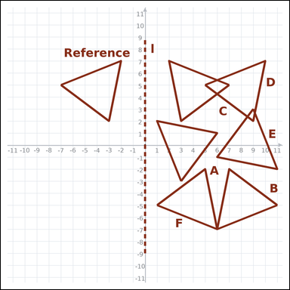 | 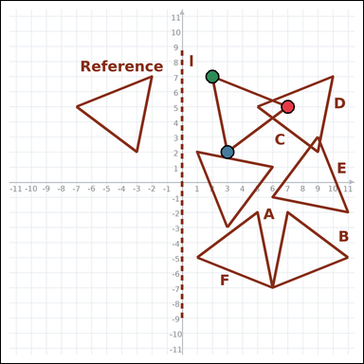 | task_geometry_transformation_match | reflection_match | Look at the graph-paper diagram. It shows a Reference polygon, one transformation cue, and six labeled candidate polygons A through F. Use the full graph-paper scene to answer the question. Which labeled polygon is the reflection of the Reference across line l? Return a valid JSON object with keys "evidence" and "answer" in that order. Evidence format: set "evidence" to an array of exactly 3 graph-paper points for the winning polygon vertices. Answer requirement: set "answer" to the single-letter label of the correct polygon. Example JSON: {"evidence":[[0,0],[4,0],[0,3]],"answer":"B"} | Look at the graph-paper diagram. It shows a Reference polygon, one transformation cue, and six labeled candidate polygons A through F. Use the full graph-paper scene to answer the question. Which labeled polygon is the reflection of the Reference across line l? Return a valid JSON object with key "answer". Answer field: set "answer" to the single-letter label of the correct polygon. Example JSON: {"answer":"B"} | {"evidence": [[7, 5], [3, 2], [2, 7]], "answer": "C"} | [[7, 5], [3, 2], [2, 7]] | option_letter | graph_point_set | 3.6644627274E+15 | geometry/task_geometry_transformation_match/images/reflection_match/0010.png | geometry/task_geometry_transformation_match/data/reflection_match/0010.json
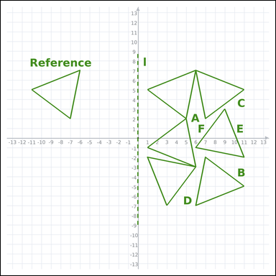 | 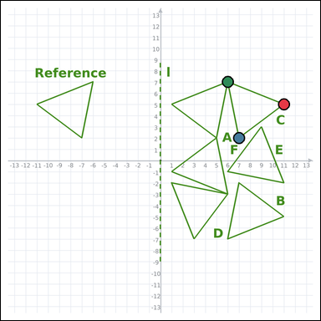 | task_geometry_transformation_match | reflection_match | The graph-paper image shows a Reference polygon, one transformation cue, and six labeled candidate polygons A through F. Answer the question using the graph-paper diagram. Use line l as the reflection line. Which labeled polygon is the reflected image of the Reference? Return a valid JSON object with keys "evidence" and "answer" in that order. Evidence field: set "evidence" to an array of exactly 3 graph-paper points for the winning polygon vertices. Answer field: set "answer" to the single-letter label of the correct polygon. Example JSON: {"evidence":[[0,0],[4,0],[0,3]],"answer":"B"} | The graph-paper image shows a Reference polygon, one transformation cue, and six labeled candidate polygons A through F. Answer the question using the graph-paper diagram. Use line l as the reflection line. Which labeled polygon is the reflected image of the Reference? Return a valid JSON object with key "answer". Answer field: set "answer" to the single-letter label of the correct polygon. Example JSON: {"answer":"B"} | {"evidence": [[11, 5], [7, 2], [6, 7]], "answer": "C"} | [[11, 5], [7, 2], [6, 7]] | option_letter | graph_point_set | 3.6773546241E+15 | geometry/task_geometry_transformation_match/images/reflection_match/0007.png | geometry/task_geometry_transformation_match/data/reflection_match/0007.json
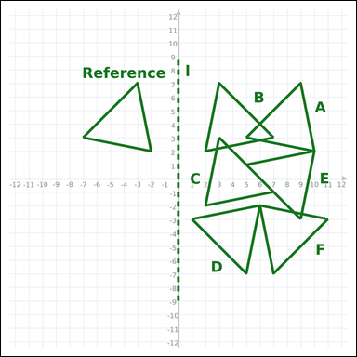 | 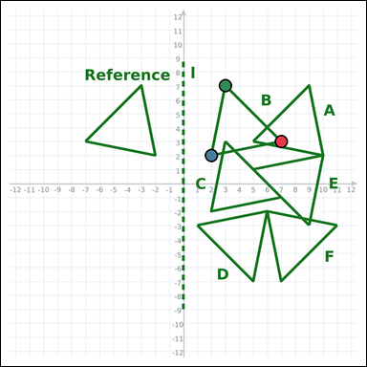 | task_geometry_transformation_match | reflection_match | You are given a graph-paper image with a Reference polygon, one transformation cue, and six labeled candidate polygons A through F. Work from the full transformation scene to answer the question. Identify the labeled polygon produced by reflecting the Reference across line l. Return a valid JSON object with keys "evidence" and "answer" in that order. Evidence: set "evidence" to an array of exactly 3 graph-paper points for the winning polygon vertices. Answer: set "answer" to the single-letter label of the correct polygon. Example JSON: {"evidence":[[0,0],[4,0],[0,3]],"answer":"B"} | You are given a graph-paper image with a Reference polygon, one transformation cue, and six labeled candidate polygons A through F. Work from the full transformation scene to answer the question. Identify the labeled polygon produced by reflecting the Reference across line l. Return a valid JSON object with key "answer". Answer rule: set "answer" to the single-letter label of the correct polygon. Example JSON: {"answer":"B"} | {"evidence": [[7, 3], [2, 2], [3, 7]], "answer": "B"} | [[7, 3], [2, 2], [3, 7]] | option_letter | graph_point_set | 3.8610626534E+15 | geometry/task_geometry_transformation_match/images/reflection_match/0008.png | geometry/task_geometry_transformation_match/data/reflection_match/0008.json
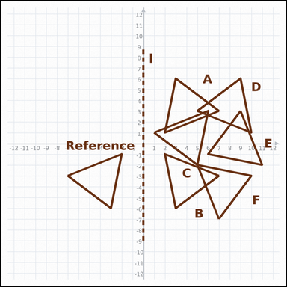 |  | task_geometry_transformation_match | reflection_match | You are given a graph-paper image with a Reference polygon, one transformation cue, and six labeled candidate polygons A through F. Read the Reference polygon, cue, and labeled candidates carefully, then answer the question. Use line l as the reflection line. Which labeled polygon is the reflected image of the Reference? Return a valid JSON object with keys "evidence" and "answer" in that order. Evidence format: set "evidence" to an array of exactly 3 graph-paper points for the winning polygon vertices. Answer requirement: set "answer" to the single-letter label of the correct polygon. Example JSON: {"evidence":[[0,0],[4,0],[0,3]],"answer":"B"} | You are given a graph-paper image with a Reference polygon, one transformation cue, and six labeled candidate polygons A through F. Read the Reference polygon, cue, and labeled candidates carefully, then answer the question. Use line l as the reflection line. Which labeled polygon is the reflected image of the Reference? Return a valid JSON object with key "answer". Answer: set "answer" to the single-letter label of the correct polygon. Example JSON: {"answer":"B"} | {"evidence": [[7, -3], [3, -6], [2, -1]], "answer": "B"} | [[7, -3], [3, -6], [2, -1]] | option_letter | graph_point_set | 4.5679206232E+15 | geometry/task_geometry_transformation_match/images/reflection_match/0001.png | geometry/task_geometry_transformation_match/data/reflection_match/0001.json
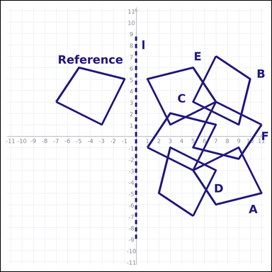 | 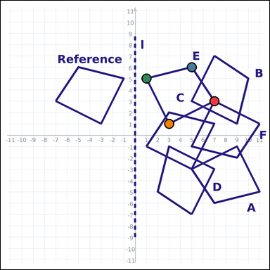 | task_geometry_transformation_match | reflection_match | Use the graph-paper image showing a Reference polygon, one transformation cue, and six labeled candidate polygons A through F. Answer the question using the graph-paper diagram. Which labeled polygon matches the Reference after reflecting it across line l? Return a valid JSON object with keys "evidence" and "answer" in that order. Evidence requirement: set "evidence" to an array of exactly 4 graph-paper points for the winning polygon vertices. Answer format: set "answer" to the single-letter label of the correct polygon. Example JSON: {"evidence":[[0,0],[4,0],[4,2],[0,2]],"answer":"B"} | Use the graph-paper image showing a Reference polygon, one transformation cue, and six labeled candidate polygons A through F. Answer the question using the graph-paper diagram. Which labeled polygon matches the Reference after reflecting it across line l? Return a valid JSON object with key "answer". Answer requirement: set "answer" to the single-letter label of the correct polygon. Example JSON: {"answer":"B"} | {"evidence": [[7, 3], [5, 6], [1, 5], [3, 1]], "answer": "E"} | [[7, 3], [5, 6], [1, 5], [3, 1]] | option_letter | graph_point_set | 4.6412743314E+15 | geometry/task_geometry_transformation_match/images/reflection_match/0014.png | geometry/task_geometry_transformation_match/data/reflection_match/0014.json
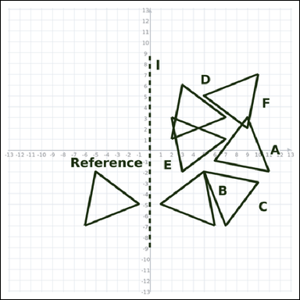 | 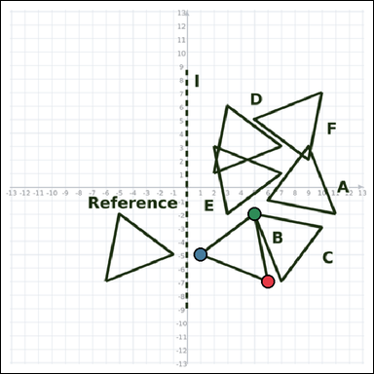 | task_geometry_transformation_match | reflection_match | Work from the graph-paper diagram showing a Reference polygon, one transformation cue, and six labeled candidate polygons A through F. Use the full graph-paper scene to answer the question. Reflect the Reference across line l. Which labeled polygon matches the result? Return a valid JSON object with keys "evidence" and "answer" in that order. Evidence: set "evidence" to an array of exactly 3 graph-paper points for the winning polygon vertices. Answer: set "answer" to the single-letter label of the correct polygon. Example JSON: {"evidence":[[0,0],[4,0],[0,3]],"answer":"B"} | Work from the graph-paper diagram showing a Reference polygon, one transformation cue, and six labeled candidate polygons A through F. Use the full graph-paper scene to answer the question. Reflect the Reference across line l. Which labeled polygon matches the result? Return a valid JSON object with key "answer". Answer field: set "answer" to the single-letter label of the correct polygon. Example JSON: {"answer":"B"} | {"evidence": [[6, -7], [1, -5], [5, -2]], "answer": "B"} | [[6, -7], [1, -5], [5, -2]] | option_letter | graph_point_set | 4.8165424053E+15 | geometry/task_geometry_transformation_match/images/reflection_match/0003.png | geometry/task_geometry_transformation_match/data/reflection_match/0003.json
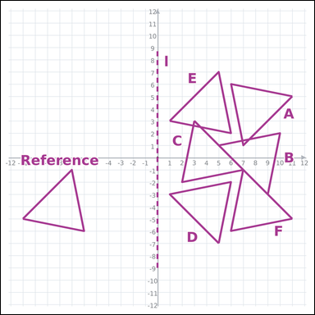 | 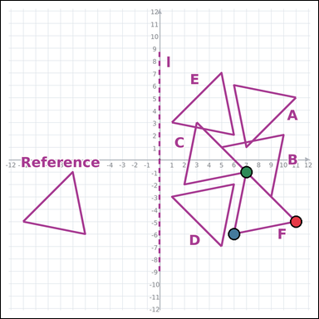 | task_geometry_transformation_match | reflection_match | Work from the graph-paper diagram showing a Reference polygon, one transformation cue, and six labeled candidate polygons A through F. Answer the question using the graph-paper diagram. Which labeled polygon matches the Reference after reflecting it across line l? Return a valid JSON object with keys "evidence" and "answer" in that order. Evidence rule: set "evidence" to an array of exactly 3 graph-paper points for the winning polygon vertices. Answer rule: set "answer" to the single-letter label of the correct polygon. Example JSON: {"evidence":[[0,0],[4,0],[0,3]],"answer":"B"} | Work from the graph-paper diagram showing a Reference polygon, one transformation cue, and six labeled candidate polygons A through F. Answer the question using the graph-paper diagram. Which labeled polygon matches the Reference after reflecting it across line l? Return a valid JSON object with key "answer". Answer format: set "answer" to the single-letter label of the correct polygon. Example JSON: {"answer":"B"} | {"evidence": [[11, -5], [6, -6], [7, -1]], "answer": "F"} | [[11, -5], [6, -6], [7, -1]] | option_letter | graph_point_set | 4.8617212459E+15 | geometry/task_geometry_transformation_match/images/reflection_match/0013.png | geometry/task_geometry_transformation_match/data/reflection_match/0013.json
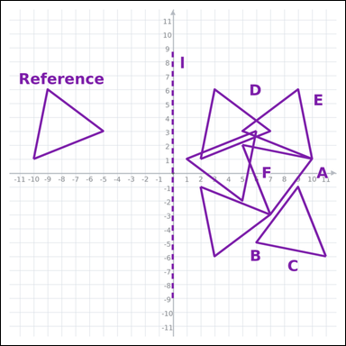 | 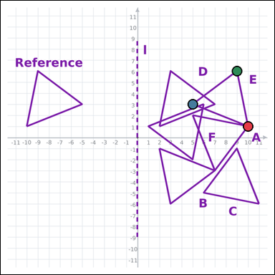 | task_geometry_transformation_match | reflection_match | You are given a graph-paper image with a Reference polygon, one transformation cue, and six labeled candidate polygons A through F. Determine the answer from the graph-paper transformation diagram. Which labeled polygon matches the Reference after reflecting it across line l? Return a valid JSON object with keys "evidence" and "answer" in that order. Evidence rule: set "evidence" to an array of exactly 3 graph-paper points for the winning polygon vertices. Answer rule: set "answer" to the single-letter label of the correct polygon. Example JSON: {"evidence":[[0,0],[4,0],[0,3]],"answer":"B"} | You are given a graph-paper image with a Reference polygon, one transformation cue, and six labeled candidate polygons A through F. Determine the answer from the graph-paper transformation diagram. Which labeled polygon matches the Reference after reflecting it across line l? Return a valid JSON object with key "answer". Answer rule: set "answer" to the single-letter label of the correct polygon. Example JSON: {"answer":"B"} | {"evidence": [[10, 1], [5, 3], [9, 6]], "answer": "E"} | [[10, 1], [5, 3], [9, 6]] | option_letter | graph_point_set | 5.048689964E+15 | geometry/task_geometry_transformation_match/images/reflection_match/0019.png | geometry/task_geometry_transformation_match/data/reflection_match/0019.json
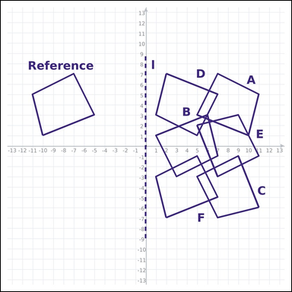 | 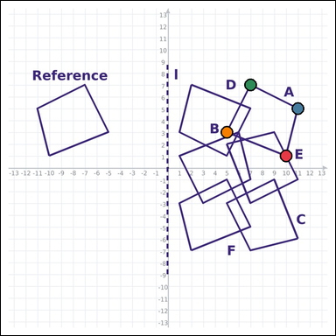 | task_geometry_transformation_match | reflection_match | The graph-paper image shows a Reference polygon, one transformation cue, and six labeled candidate polygons A through F. Work from the full transformation scene to answer the question. Use line l as the reflection line. Which labeled polygon is the reflected image of the Reference? Return a valid JSON object with keys "evidence" and "answer" in that order. Evidence format: set "evidence" to an array of exactly 4 graph-paper points for the winning polygon vertices. Answer requirement: set "answer" to the single-letter label of the correct polygon. Example JSON: {"evidence":[[0,0],[4,0],[4,2],[0,2]],"answer":"B"} | The graph-paper image shows a Reference polygon, one transformation cue, and six labeled candidate polygons A through F. Work from the full transformation scene to answer the question. Use line l as the reflection line. Which labeled polygon is the reflected image of the Reference? Return a valid JSON object with key "answer". Answer field: set "answer" to the single-letter label of the correct polygon. Example JSON: {"answer":"B"} | {"evidence": [[10, 1], [11, 5], [7, 7], [5, 3]], "answer": "A"} | [[10, 1], [11, 5], [7, 7], [5, 3]] | option_letter | graph_point_set | 5.3153940253E+15 | geometry/task_geometry_transformation_match/images/reflection_match/0022.png | geometry/task_geometry_transformation_match/data/reflection_match/0022.json
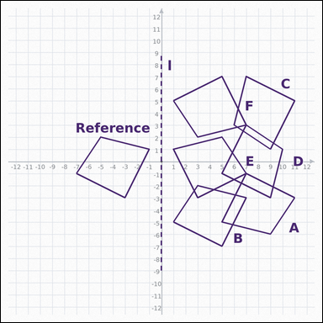 | 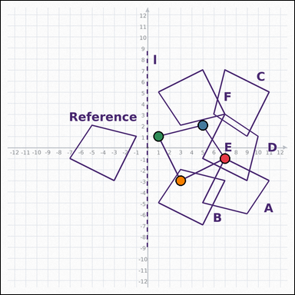 | task_geometry_transformation_match | reflection_match | The graph-paper image shows a Reference polygon, one transformation cue, and six labeled candidate polygons A through F. Read the Reference polygon, cue, and labeled candidates carefully, then answer the question. Which labeled polygon is the reflection of the Reference across line l? Return a valid JSON object with keys "evidence" and "answer" in that order. Evidence: set "evidence" to an array of exactly 4 graph-paper points for the winning polygon vertices. Answer: set "answer" to the single-letter label of the correct polygon. Example JSON: {"evidence":[[0,0],[4,0],[4,2],[0,2]],"answer":"B"} | The graph-paper image shows a Reference polygon, one transformation cue, and six labeled candidate polygons A through F. Read the Reference polygon, cue, and labeled candidates carefully, then answer the question. Which labeled polygon is the reflection of the Reference across line l? Return a valid JSON object with key "answer". Answer format: set "answer" to the single-letter label of the correct polygon. Example JSON: {"answer":"B"} | {"evidence": [[7, -1], [5, 2], [1, 1], [3, -3]], "answer": "E"} | [[7, -1], [5, 2], [1, 1], [3, -3]] | option_letter | graph_point_set | 5.5933844553E+15 | geometry/task_geometry_transformation_match/images/reflection_match/0024.png | geometry/task_geometry_transformation_match/data/reflection_match/0024.json
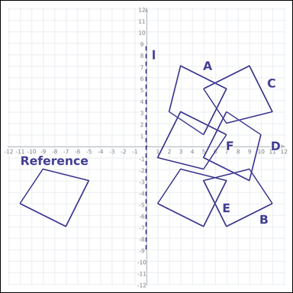 | 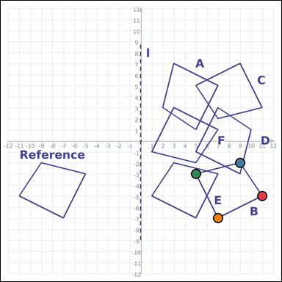 | task_geometry_transformation_match | reflection_match | The graph-paper image shows a Reference polygon, one transformation cue, and six labeled candidate polygons A through F. Work from the full transformation scene to answer the question. Reflect the Reference across line l. Which labeled polygon matches the result? Return a valid JSON object with keys "evidence" and "answer" in that order. Evidence format: set "evidence" to an array of exactly 4 graph-paper points for the winning polygon vertices. Answer requirement: set "answer" to the single-letter label of the correct polygon. Example JSON: {"evidence":[[0,0],[4,0],[4,2],[0,2]],"answer":"B"} | The graph-paper image shows a Reference polygon, one transformation cue, and six labeled candidate polygons A through F. Work from the full transformation scene to answer the question. Reflect the Reference across line l. Which labeled polygon matches the result? Return a valid JSON object with key "answer". Answer rule: set "answer" to the single-letter label of the correct polygon. Example JSON: {"answer":"B"} | {"evidence": [[11, -5], [9, -2], [5, -3], [7, -7]], "answer": "B"} | [[11, -5], [9, -2], [5, -3], [7, -7]] | option_letter | graph_point_set | 5.9701768478E+15 | geometry/task_geometry_transformation_match/images/reflection_match/0017.png | geometry/task_geometry_transformation_match/data/reflection_match/0017.json
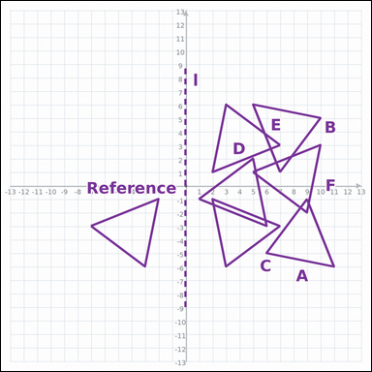 | 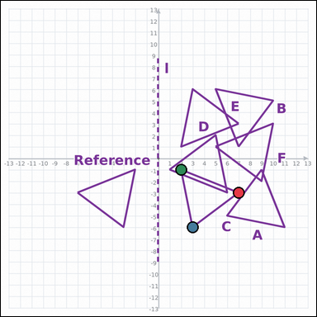 | task_geometry_transformation_match | reflection_match | Use the graph-paper image showing a Reference polygon, one transformation cue, and six labeled candidate polygons A through F. Answer the question using the graph-paper diagram. Use line l as the reflection line. Which labeled polygon is the reflected image of the Reference? Return a valid JSON object with keys "evidence" and "answer" in that order. Evidence format: set "evidence" to an array of exactly 3 graph-paper points for the winning polygon vertices. Answer requirement: set "answer" to the single-letter label of the correct polygon. Example JSON: {"evidence":[[0,0],[4,0],[0,3]],"answer":"B"} | Use the graph-paper image showing a Reference polygon, one transformation cue, and six labeled candidate polygons A through F. Answer the question using the graph-paper diagram. Use line l as the reflection line. Which labeled polygon is the reflected image of the Reference? Return a valid JSON object with key "answer". Answer field: set "answer" to the single-letter label of the correct polygon. Example JSON: {"answer":"B"} | {"evidence": [[7, -3], [3, -6], [2, -1]], "answer": "C"} | [[7, -3], [3, -6], [2, -1]] | option_letter | graph_point_set | 6.0394218676E+15 | geometry/task_geometry_transformation_match/images/reflection_match/0015.png | geometry/task_geometry_transformation_match/data/reflection_match/0015.json
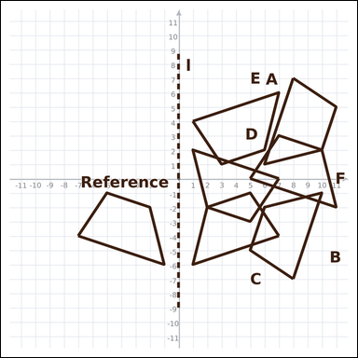 | 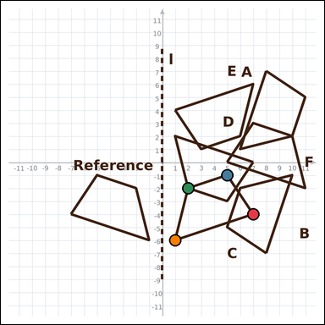 | task_geometry_transformation_match | reflection_match | Use the graph-paper image showing a Reference polygon, one transformation cue, and six labeled candidate polygons A through F. Use the full graph-paper scene to answer the question. Which labeled polygon is the reflection of the Reference across line l? Return a valid JSON object with keys "evidence" and "answer" in that order. Evidence: set "evidence" to an array of exactly 4 graph-paper points for the winning polygon vertices. Answer: set "answer" to the single-letter label of the correct polygon. Example JSON: {"evidence":[[0,0],[4,0],[4,2],[0,2]],"answer":"B"} | Use the graph-paper image showing a Reference polygon, one transformation cue, and six labeled candidate polygons A through F. Use the full graph-paper scene to answer the question. Which labeled polygon is the reflection of the Reference across line l? Return a valid JSON object with key "answer". Answer format: set "answer" to the single-letter label of the correct polygon. Example JSON: {"answer":"B"} | {"evidence": [[7, -4], [5, -1], [2, -2], [1, -6]], "answer": "C"} | [[7, -4], [5, -1], [2, -2], [1, -6]] | option_letter | graph_point_set | 6.7933571772E+15 | geometry/task_geometry_transformation_match/images/reflection_match/0006.png | geometry/task_geometry_transformation_match/data/reflection_match/0006.json
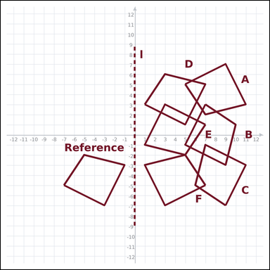 | 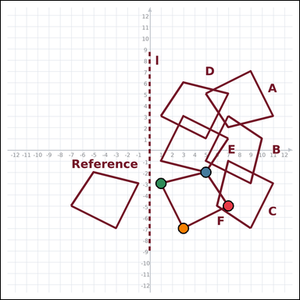 | task_geometry_transformation_match | reflection_match | Look at the graph-paper diagram. It shows a Reference polygon, one transformation cue, and six labeled candidate polygons A through F. Work from the full transformation scene to answer the question. Use line l as the reflection line. Which labeled polygon is the reflected image of the Reference? Return a valid JSON object with keys "evidence" and "answer" in that order. Evidence rule: set "evidence" to an array of exactly 4 graph-paper points for the winning polygon vertices. Answer rule: set "answer" to the single-letter label of the correct polygon. Example JSON: {"evidence":[[0,0],[4,0],[4,2],[0,2]],"answer":"B"} | Look at the graph-paper diagram. It shows a Reference polygon, one transformation cue, and six labeled candidate polygons A through F. Work from the full transformation scene to answer the question. Use line l as the reflection line. Which labeled polygon is the reflected image of the Reference? Return a valid JSON object with key "answer". Answer rule: set "answer" to the single-letter label of the correct polygon. Example JSON: {"answer":"B"} | {"evidence": [[7, -5], [5, -2], [1, -3], [3, -7]], "answer": "F"} | [[7, -5], [5, -2], [1, -3], [3, -7]] | option_letter | graph_point_set | 7.5475704636E+15 | geometry/task_geometry_transformation_match/images/reflection_match/0000.png | geometry/task_geometry_transformation_match/data/reflection_match/0000.json
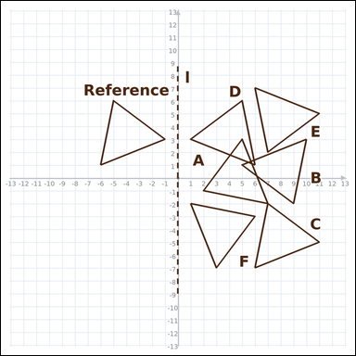 | 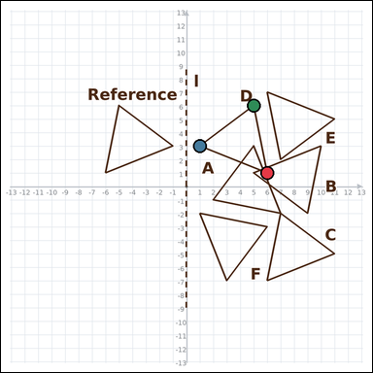 | task_geometry_transformation_match | reflection_match | Look at the graph-paper diagram. It shows a Reference polygon, one transformation cue, and six labeled candidate polygons A through F. Determine the answer from the graph-paper transformation diagram. Which labeled polygon is the reflection of the Reference across line l? Return a valid JSON object with keys "evidence" and "answer" in that order. Evidence field: set "evidence" to an array of exactly 3 graph-paper points for the winning polygon vertices. Answer field: set "answer" to the single-letter label of the correct polygon. Example JSON: {"evidence":[[0,0],[4,0],[0,3]],"answer":"B"} | Look at the graph-paper diagram. It shows a Reference polygon, one transformation cue, and six labeled candidate polygons A through F. Determine the answer from the graph-paper transformation diagram. Which labeled polygon is the reflection of the Reference across line l? Return a valid JSON object with key "answer". Answer format: set "answer" to the single-letter label of the correct polygon. Example JSON: {"answer":"B"} | {"evidence": [[6, 1], [1, 3], [5, 6]], "answer": "D"} | [[6, 1], [1, 3], [5, 6]] | option_letter | graph_point_set | 7.6199373545E+15 | geometry/task_geometry_transformation_match/images/reflection_match/0004.png | geometry/task_geometry_transformation_match/data/reflection_match/0004.json
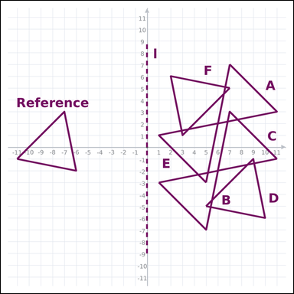 | 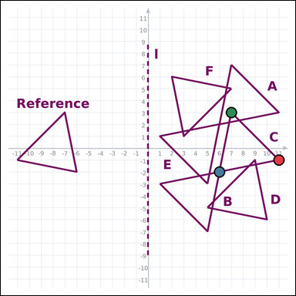 | task_geometry_transformation_match | reflection_match | Work from the graph-paper diagram showing a Reference polygon, one transformation cue, and six labeled candidate polygons A through F. Read the Reference polygon, cue, and labeled candidates carefully, then answer the question. Which labeled polygon matches the Reference after reflecting it across line l? Return a valid JSON object with keys "evidence" and "answer" in that order. Evidence format: set "evidence" to an array of exactly 3 graph-paper points for the winning polygon vertices. Answer requirement: set "answer" to the single-letter label of the correct polygon. Example JSON: {"evidence":[[0,0],[4,0],[0,3]],"answer":"B"} | Work from the graph-paper diagram showing a Reference polygon, one transformation cue, and six labeled candidate polygons A through F. Read the Reference polygon, cue, and labeled candidates carefully, then answer the question. Which labeled polygon matches the Reference after reflecting it across line l? Return a valid JSON object with key "answer". Answer format: set "answer" to the single-letter label of the correct polygon. Example JSON: {"answer":"B"} | {"evidence": [[11, -1], [6, -2], [7, 3]], "answer": "C"} | [[11, -1], [6, -2], [7, 3]] | option_letter | graph_point_set | 8.0132097442E+15 | geometry/task_geometry_transformation_match/images/reflection_match/0011.png | geometry/task_geometry_transformation_match/data/reflection_match/0011.json
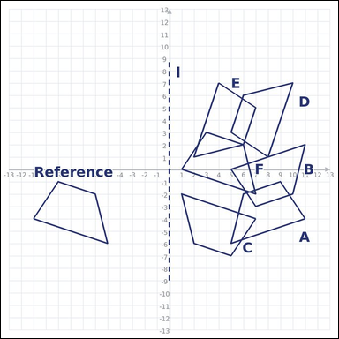 | 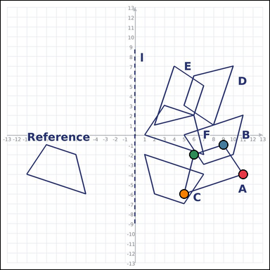 | task_geometry_transformation_match | reflection_match | Work from the graph-paper diagram showing a Reference polygon, one transformation cue, and six labeled candidate polygons A through F. Answer the question using the graph-paper diagram. Which labeled polygon matches the Reference after reflecting it across line l? Return a valid JSON object with keys "evidence" and "answer" in that order. Evidence requirement: set "evidence" to an array of exactly 4 graph-paper points for the winning polygon vertices. Answer format: set "answer" to the single-letter label of the correct polygon. Example JSON: {"evidence":[[0,0],[4,0],[4,2],[0,2]],"answer":"B"} | Work from the graph-paper diagram showing a Reference polygon, one transformation cue, and six labeled candidate polygons A through F. Answer the question using the graph-paper diagram. Which labeled polygon matches the Reference after reflecting it across line l? Return a valid JSON object with key "answer". Answer field: set "answer" to the single-letter label of the correct polygon. Example JSON: {"answer":"B"} | {"evidence": [[11, -4], [9, -1], [6, -2], [5, -6]], "answer": "A"} | [[11, -4], [9, -1], [6, -2], [5, -6]] | option_letter | graph_point_set | 8.2283103078E+15 | geometry/task_geometry_transformation_match/images/reflection_match/0002.png | geometry/task_geometry_transformation_match/data/reflection_match/0002.json
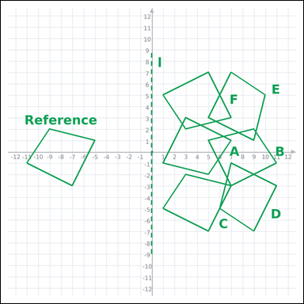 | 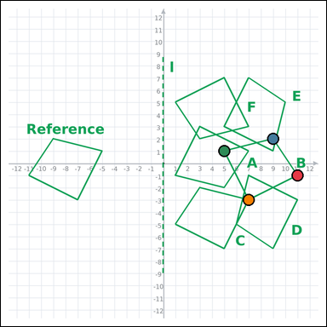 | task_geometry_transformation_match | reflection_match | You are given a graph-paper image with a Reference polygon, one transformation cue, and six labeled candidate polygons A through F. Use the full graph-paper scene to answer the question. Use line l as the reflection line. Which labeled polygon is the reflected image of the Reference? Return a valid JSON object with keys "evidence" and "answer" in that order. Evidence format: set "evidence" to an array of exactly 4 graph-paper points for the winning polygon vertices. Answer requirement: set "answer" to the single-letter label of the correct polygon. Example JSON: {"evidence":[[0,0],[4,0],[4,2],[0,2]],"answer":"B"} | You are given a graph-paper image with a Reference polygon, one transformation cue, and six labeled candidate polygons A through F. Use the full graph-paper scene to answer the question. Use line l as the reflection line. Which labeled polygon is the reflected image of the Reference? Return a valid JSON object with key "answer". Answer: set "answer" to the single-letter label of the correct polygon. Example JSON: {"answer":"B"} | {"evidence": [[11, -1], [9, 2], [5, 1], [7, -3]], "answer": "B"} | [[11, -1], [9, 2], [5, 1], [7, -3]] | option_letter | graph_point_set | 8.5659609493E+15 | geometry/task_geometry_transformation_match/images/reflection_match/0005.png | geometry/task_geometry_transformation_match/data/reflection_match/0005.json
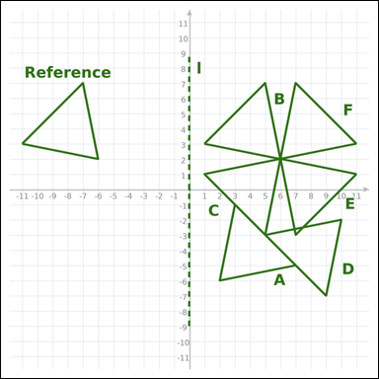 | 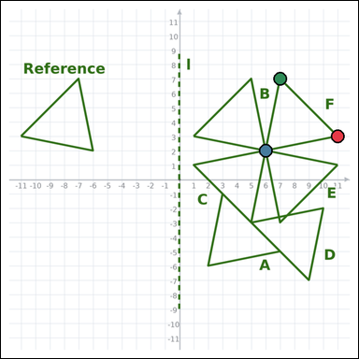 | task_geometry_transformation_match | reflection_match | You are given a graph-paper image with a Reference polygon, one transformation cue, and six labeled candidate polygons A through F. Answer the question using the graph-paper diagram. Which labeled polygon is the reflection of the Reference across line l? Return a valid JSON object with keys "evidence" and "answer" in that order. Evidence field: set "evidence" to an array of exactly 3 graph-paper points for the winning polygon vertices. Answer field: set "answer" to the single-letter label of the correct polygon. Example JSON: {"evidence":[[0,0],[4,0],[0,3]],"answer":"B"} | You are given a graph-paper image with a Reference polygon, one transformation cue, and six labeled candidate polygons A through F. Answer the question using the graph-paper diagram. Which labeled polygon is the reflection of the Reference across line l? Return a valid JSON object with key "answer". Answer rule: set "answer" to the single-letter label of the correct polygon. Example JSON: {"answer":"B"} | {"evidence": [[11, 3], [6, 2], [7, 7]], "answer": "F"} | [[11, 3], [6, 2], [7, 7]] | option_letter | graph_point_set | 8.5927626848E+15 | geometry/task_geometry_transformation_match/images/reflection_match/0020.png | geometry/task_geometry_transformation_match/data/reflection_match/0020.json

rotation_match
image | evidence_image | task | task_variant | prompt | prompt_answer_only | answer | answer_evidence | answer_type | evidence_type | instance_seed | image_path | data_path
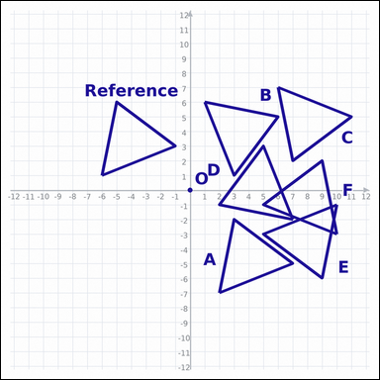 |  | task_geometry_transformation_match | rotation_match | The graph-paper image shows a Reference polygon, one transformation cue, and six labeled candidate polygons A through F. Work from the full transformation scene to answer the question. Which labeled polygon is the image of the Reference after a 90° clockwise rotation about point O? Return a valid JSON object with keys "evidence" and "answer" in that order. Evidence format: set "evidence" to an array of exactly 3 graph-paper points for the winning polygon vertices. Answer requirement: set "answer" to the single-letter label of the correct polygon. Example JSON: {"evidence":[[0,0],[4,0],[0,3]],"answer":"B"} | The graph-paper image shows a Reference polygon, one transformation cue, and six labeled candidate polygons A through F. Work from the full transformation scene to answer the question. Which labeled polygon is the image of the Reference after a 90° clockwise rotation about point O? Return a valid JSON object with key "answer". Answer: set "answer" to the single-letter label of the correct polygon. Example JSON: {"answer":"B"} | {"evidence": [[1, 6], [3, 1], [6, 5]], "answer": "B"} | [[1, 6], [3, 1], [6, 5]] | option_letter | graph_point_set | 46279861854733 | geometry/task_geometry_transformation_match/images/rotation_match/0003.png | geometry/task_geometry_transformation_match/data/rotation_match/0003.json
 |  | task_geometry_transformation_match | rotation_match | Look at the graph-paper diagram. It shows a Reference polygon, one transformation cue, and six labeled candidate polygons A through F. Use the full graph-paper scene to answer the question. Which labeled polygon is produced by a 90° clockwise rotation of the Reference about point O? Return a valid JSON object with keys "evidence" and "answer" in that order. Evidence field: set "evidence" to an array of exactly 3 graph-paper points for the winning polygon vertices. Answer field: set "answer" to the single-letter label of the correct polygon. Example JSON: {"evidence":[[0,0],[4,0],[0,3]],"answer":"B"} | Look at the graph-paper diagram. It shows a Reference polygon, one transformation cue, and six labeled candidate polygons A through F. Use the full graph-paper scene to answer the question. Which labeled polygon is produced by a 90° clockwise rotation of the Reference about point O? Return a valid JSON object with key "answer". Answer field: set "answer" to the single-letter label of the correct polygon. Example JSON: {"answer":"B"} | {"evidence": [[3, 7], [2, 2], [7, 3]], "answer": "C"} | [[3, 7], [2, 2], [7, 3]] | option_letter | graph_point_set | 240762698958178 | geometry/task_geometry_transformation_match/images/rotation_match/0000.png | geometry/task_geometry_transformation_match/data/rotation_match/0000.json
 |  | task_geometry_transformation_match | rotation_match | Work from the graph-paper diagram showing a Reference polygon, one transformation cue, and six labeled candidate polygons A through F. Answer the question using the graph-paper diagram. Rotate the Reference by a 180° rotation about point O. Which labeled polygon matches the result? Return a valid JSON object with keys "evidence" and "answer" in that order. Evidence field: set "evidence" to an array of exactly 4 graph-paper points for the winning polygon vertices. Answer field: set "answer" to the single-letter label of the correct polygon. Example JSON: {"evidence":[[0,0],[4,0],[4,2],[0,2]],"answer":"B"} | Work from the graph-paper diagram showing a Reference polygon, one transformation cue, and six labeled candidate polygons A through F. Answer the question using the graph-paper diagram. Rotate the Reference by a 180° rotation about point O. Which labeled polygon matches the result? Return a valid JSON object with key "answer". Answer format: set "answer" to the single-letter label of the correct polygon. Example JSON: {"answer":"B"} | {"evidence": [[7, 0], [5, -3], [2, -2], [1, 2]], "answer": "D"} | [[7, 0], [5, -3], [2, -2], [1, 2]] | option_letter | graph_point_set | 450614689564135 | geometry/task_geometry_transformation_match/images/rotation_match/0009.png | geometry/task_geometry_transformation_match/data/rotation_match/0009.json
 |  | task_geometry_transformation_match | rotation_match | Look at the graph-paper diagram. It shows a Reference polygon, one transformation cue, and six labeled candidate polygons A through F. Work from the full transformation scene to answer the question. Which labeled polygon is the image of the Reference after a 90° counterclockwise rotation about point O? Return a valid JSON object with keys "evidence" and "answer" in that order. Evidence: set "evidence" to an array of exactly 3 graph-paper points for the winning polygon vertices. Answer: set "answer" to the single-letter label of the correct polygon. Example JSON: {"evidence":[[0,0],[4,0],[0,3]],"answer":"B"} | Look at the graph-paper diagram. It shows a Reference polygon, one transformation cue, and six labeled candidate polygons A through F. Work from the full transformation scene to answer the question. Which labeled polygon is the image of the Reference after a 90° counterclockwise rotation about point O? Return a valid JSON object with key "answer". Answer format: set "answer" to the single-letter label of the correct polygon. Example JSON: {"answer":"B"} | {"evidence": [[7, -6], [5, -1], [2, -5]], "answer": "B"} | [[7, -6], [5, -1], [2, -5]] | option_letter | graph_point_set | 479725714799051 | geometry/task_geometry_transformation_match/images/rotation_match/0010.png | geometry/task_geometry_transformation_match/data/rotation_match/0010.json
 |  | task_geometry_transformation_match | rotation_match | The graph-paper image shows a Reference polygon, one transformation cue, and six labeled candidate polygons A through F. Read the Reference polygon, cue, and labeled candidates carefully, then answer the question. Which labeled polygon is the image of the Reference after a 90° clockwise rotation about point O? Return a valid JSON object with keys "evidence" and "answer" in that order. Evidence field: set "evidence" to an array of exactly 3 graph-paper points for the winning polygon vertices. Answer field: set "answer" to the single-letter label of the correct polygon. Example JSON: {"evidence":[[0,0],[4,0],[0,3]],"answer":"B"} | The graph-paper image shows a Reference polygon, one transformation cue, and six labeled candidate polygons A through F. Read the Reference polygon, cue, and labeled candidates carefully, then answer the question. Which labeled polygon is the image of the Reference after a 90° clockwise rotation about point O? Return a valid JSON object with key "answer". Answer field: set "answer" to the single-letter label of the correct polygon. Example JSON: {"answer":"B"} | {"evidence": [[5, 7], [2, 3], [7, 2]], "answer": "D"} | [[5, 7], [2, 3], [7, 2]] | option_letter | graph_point_set | 747904778170571 | geometry/task_geometry_transformation_match/images/rotation_match/0015.png | geometry/task_geometry_transformation_match/data/rotation_match/0015.json
 |  | task_geometry_transformation_match | rotation_match | Look at the graph-paper diagram. It shows a Reference polygon, one transformation cue, and six labeled candidate polygons A through F. Answer the question using the graph-paper diagram. Rotate the Reference by a 90° clockwise rotation about point O. Which labeled polygon matches the result? Return a valid JSON object with keys "evidence" and "answer" in that order. Evidence rule: set "evidence" to an array of exactly 3 graph-paper points for the winning polygon vertices. Answer rule: set "answer" to the single-letter label of the correct polygon. Example JSON: {"evidence":[[0,0],[4,0],[0,3]],"answer":"B"} | Look at the graph-paper diagram. It shows a Reference polygon, one transformation cue, and six labeled candidate polygons A through F. Answer the question using the graph-paper diagram. Rotate the Reference by a 90° clockwise rotation about point O. Which labeled polygon matches the result? Return a valid JSON object with key "answer". Answer field: set "answer" to the single-letter label of the correct polygon. Example JSON: {"answer":"B"} | {"evidence": [[7, 7], [6, 2], [11, 3]], "answer": "B"} | [[7, 7], [6, 2], [11, 3]] | option_letter | graph_point_set | 836523303991779 | geometry/task_geometry_transformation_match/images/rotation_match/0018.png | geometry/task_geometry_transformation_match/data/rotation_match/0018.json
 |  | task_geometry_transformation_match | rotation_match | Use the graph-paper image showing a Reference polygon, one transformation cue, and six labeled candidate polygons A through F. Work from the full transformation scene to answer the question. Which labeled polygon is produced by a 90° clockwise rotation of the Reference about point O? Return a valid JSON object with keys "evidence" and "answer" in that order. Evidence field: set "evidence" to an array of exactly 3 graph-paper points for the winning polygon vertices. Answer field: set "answer" to the single-letter label of the correct polygon. Example JSON: {"evidence":[[0,0],[4,0],[0,3]],"answer":"B"} | Use the graph-paper image showing a Reference polygon, one transformation cue, and six labeled candidate polygons A through F. Work from the full transformation scene to answer the question. Which labeled polygon is produced by a 90° clockwise rotation of the Reference about point O? Return a valid JSON object with key "answer". Answer format: set "answer" to the single-letter label of the correct polygon. Example JSON: {"answer":"B"} | {"evidence": [[1, 6], [3, 1], [6, 5]], "answer": "D"} | [[1, 6], [3, 1], [6, 5]] | option_letter | graph_point_set | 1.2983500673E+15 | geometry/task_geometry_transformation_match/images/rotation_match/0020.png | geometry/task_geometry_transformation_match/data/rotation_match/0020.json
 |  | task_geometry_transformation_match | rotation_match | The graph-paper image shows a Reference polygon, one transformation cue, and six labeled candidate polygons A through F. Read the Reference polygon, cue, and labeled candidates carefully, then answer the question. Rotate the Reference by a 180° rotation about point O. Which labeled polygon matches the result? Return a valid JSON object with keys "evidence" and "answer" in that order. Evidence format: set "evidence" to an array of exactly 3 graph-paper points for the winning polygon vertices. Answer requirement: set "answer" to the single-letter label of the correct polygon. Example JSON: {"evidence":[[0,0],[4,0],[0,3]],"answer":"B"} | The graph-paper image shows a Reference polygon, one transformation cue, and six labeled candidate polygons A through F. Read the Reference polygon, cue, and labeled candidates carefully, then answer the question. Rotate the Reference by a 180° rotation about point O. Which labeled polygon matches the result? Return a valid JSON object with key "answer". Answer requirement: set "answer" to the single-letter label of the correct polygon. Example JSON: {"answer":"B"} | {"evidence": [[6, 3], [1, 1], [5, -2]], "answer": "F"} | [[6, 3], [1, 1], [5, -2]] | option_letter | graph_point_set | 1.6195567419E+15 | geometry/task_geometry_transformation_match/images/rotation_match/0016.png | geometry/task_geometry_transformation_match/data/rotation_match/0016.json
 |  | task_geometry_transformation_match | rotation_match | Use the graph-paper image showing a Reference polygon, one transformation cue, and six labeled candidate polygons A through F. Answer the question using the graph-paper diagram. Using point O as the center, which labeled polygon matches the Reference after a 90° clockwise rotation? Return a valid JSON object with keys "evidence" and "answer" in that order. Evidence: set "evidence" to an array of exactly 4 graph-paper points for the winning polygon vertices. Answer: set "answer" to the single-letter label of the correct polygon. Example JSON: {"evidence":[[0,0],[4,0],[4,2],[0,2]],"answer":"B"} | Use the graph-paper image showing a Reference polygon, one transformation cue, and six labeled candidate polygons A through F. Answer the question using the graph-paper diagram. Using point O as the center, which labeled polygon matches the Reference after a 90° clockwise rotation? Return a valid JSON object with key "answer". Answer: set "answer" to the single-letter label of the correct polygon. Example JSON: {"answer":"B"} | {"evidence": [[8, 7], [11, 5], [10, 2], [6, 1]], "answer": "B"} | [[8, 7], [11, 5], [10, 2], [6, 1]] | option_letter | graph_point_set | 2.0450975213E+15 | geometry/task_geometry_transformation_match/images/rotation_match/0004.png | geometry/task_geometry_transformation_match/data/rotation_match/0004.json
 |  | task_geometry_transformation_match | rotation_match | The graph-paper image shows a Reference polygon, one transformation cue, and six labeled candidate polygons A through F. Work from the full transformation scene to answer the question. Apply a 90° clockwise rotation about point O to the Reference. Which labeled polygon is correct? Return a valid JSON object with keys "evidence" and "answer" in that order. Evidence rule: set "evidence" to an array of exactly 4 graph-paper points for the winning polygon vertices. Answer rule: set "answer" to the single-letter label of the correct polygon. Example JSON: {"evidence":[[0,0],[4,0],[4,2],[0,2]],"answer":"B"} | The graph-paper image shows a Reference polygon, one transformation cue, and six labeled candidate polygons A through F. Work from the full transformation scene to answer the question. Apply a 90° clockwise rotation about point O to the Reference. Which labeled polygon is correct? Return a valid JSON object with key "answer". Answer field: set "answer" to the single-letter label of the correct polygon. Example JSON: {"answer":"B"} | {"evidence": [[7, 7], [10, 5], [9, 1], [5, 3]], "answer": "D"} | [[7, 7], [10, 5], [9, 1], [5, 3]] | option_letter | graph_point_set | 2.0978430045E+15 | geometry/task_geometry_transformation_match/images/rotation_match/0002.png | geometry/task_geometry_transformation_match/data/rotation_match/0002.json
 |  | task_geometry_transformation_match | rotation_match | Look at the graph-paper diagram. It shows a Reference polygon, one transformation cue, and six labeled candidate polygons A through F. Use the full graph-paper scene to answer the question. Rotate the Reference by a 90° counterclockwise rotation about point O. Which labeled polygon matches the result? Return a valid JSON object with keys "evidence" and "answer" in that order. Evidence format: set "evidence" to an array of exactly 3 graph-paper points for the winning polygon vertices. Answer requirement: set "answer" to the single-letter label of the correct polygon. Example JSON: {"evidence":[[0,0],[4,0],[0,3]],"answer":"B"} | Look at the graph-paper diagram. It shows a Reference polygon, one transformation cue, and six labeled candidate polygons A through F. Use the full graph-paper scene to answer the question. Rotate the Reference by a 90° counterclockwise rotation about point O. Which labeled polygon matches the result? Return a valid JSON object with key "answer". Answer field: set "answer" to the single-letter label of the correct polygon. Example JSON: {"answer":"B"} | {"evidence": [[9, -7], [10, -2], [5, -3]], "answer": "B"} | [[9, -7], [10, -2], [5, -3]] | option_letter | graph_point_set | 2.1924774745E+15 | geometry/task_geometry_transformation_match/images/rotation_match/0023.png | geometry/task_geometry_transformation_match/data/rotation_match/0023.json
 |  | task_geometry_transformation_match | rotation_match | The graph-paper image shows a Reference polygon, one transformation cue, and six labeled candidate polygons A through F. Work from the full transformation scene to answer the question. Apply a 90° clockwise rotation about point O to the Reference. Which labeled polygon is correct? Return a valid JSON object with keys "evidence" and "answer" in that order. Evidence requirement: set "evidence" to an array of exactly 3 graph-paper points for the winning polygon vertices. Answer format: set "answer" to the single-letter label of the correct polygon. Example JSON: {"evidence":[[0,0],[4,0],[0,3]],"answer":"B"} | The graph-paper image shows a Reference polygon, one transformation cue, and six labeled candidate polygons A through F. Work from the full transformation scene to answer the question. Apply a 90° clockwise rotation about point O to the Reference. Which labeled polygon is correct? Return a valid JSON object with key "answer". Answer rule: set "answer" to the single-letter label of the correct polygon. Example JSON: {"answer":"B"} | {"evidence": [[7, 7], [6, 2], [11, 3]], "answer": "C"} | [[7, 7], [6, 2], [11, 3]] | option_letter | graph_point_set | 3.3352960608E+15 | geometry/task_geometry_transformation_match/images/rotation_match/0011.png | geometry/task_geometry_transformation_match/data/rotation_match/0011.json
 |  | task_geometry_transformation_match | rotation_match | Look at the graph-paper diagram. It shows a Reference polygon, one transformation cue, and six labeled candidate polygons A through F. Determine the answer from the graph-paper transformation diagram. Using point O as the center, which labeled polygon matches the Reference after a 90° clockwise rotation? Return a valid JSON object with keys "evidence" and "answer" in that order. Evidence format: set "evidence" to an array of exactly 3 graph-paper points for the winning polygon vertices. Answer requirement: set "answer" to the single-letter label of the correct polygon. Example JSON: {"evidence":[[0,0],[4,0],[0,3]],"answer":"B"} | Look at the graph-paper diagram. It shows a Reference polygon, one transformation cue, and six labeled candidate polygons A through F. Determine the answer from the graph-paper transformation diagram. Using point O as the center, which labeled polygon matches the Reference after a 90° clockwise rotation? Return a valid JSON object with key "answer". Answer rule: set "answer" to the single-letter label of the correct polygon. Example JSON: {"answer":"B"} | {"evidence": [[3, 7], [2, 2], [7, 3]], "answer": "E"} | [[3, 7], [2, 2], [7, 3]] | option_letter | graph_point_set | 3.8757647563E+15 | geometry/task_geometry_transformation_match/images/rotation_match/0021.png | geometry/task_geometry_transformation_match/data/rotation_match/0021.json
 |  | task_geometry_transformation_match | rotation_match | The graph-paper image shows a Reference polygon, one transformation cue, and six labeled candidate polygons A through F. Work from the full transformation scene to answer the question. Which labeled polygon is produced by a 180° rotation of the Reference about point O? Return a valid JSON object with keys "evidence" and "answer" in that order. Evidence: set "evidence" to an array of exactly 3 graph-paper points for the winning polygon vertices. Answer: set "answer" to the single-letter label of the correct polygon. Example JSON: {"evidence":[[0,0],[4,0],[0,3]],"answer":"B"} | The graph-paper image shows a Reference polygon, one transformation cue, and six labeled candidate polygons A through F. Work from the full transformation scene to answer the question. Which labeled polygon is produced by a 180° rotation of the Reference about point O? Return a valid JSON object with key "answer". Answer field: set "answer" to the single-letter label of the correct polygon. Example JSON: {"answer":"B"} | {"evidence": [[7, -5], [3, -2], [2, -7]], "answer": "E"} | [[7, -5], [3, -2], [2, -7]] | option_letter | graph_point_set | 4.6196394081E+15 | geometry/task_geometry_transformation_match/images/rotation_match/0019.png | geometry/task_geometry_transformation_match/data/rotation_match/0019.json
 |  | task_geometry_transformation_match | rotation_match | The graph-paper image shows a Reference polygon, one transformation cue, and six labeled candidate polygons A through F. Read the Reference polygon, cue, and labeled candidates carefully, then answer the question. Rotate the Reference by a 180° rotation about point O. Which labeled polygon matches the result? Return a valid JSON object with keys "evidence" and "answer" in that order. Evidence: set "evidence" to an array of exactly 4 graph-paper points for the winning polygon vertices. Answer: set "answer" to the single-letter label of the correct polygon. Example JSON: {"evidence":[[0,0],[4,0],[4,2],[0,2]],"answer":"B"} | The graph-paper image shows a Reference polygon, one transformation cue, and six labeled candidate polygons A through F. Read the Reference polygon, cue, and labeled candidates carefully, then answer the question. Rotate the Reference by a 180° rotation about point O. Which labeled polygon matches the result? Return a valid JSON object with key "answer". Answer: set "answer" to the single-letter label of the correct polygon. Example JSON: {"answer":"B"} | {"evidence": [[10, -1], [11, -5], [7, -7], [5, -3]], "answer": "E"} | [[10, -1], [11, -5], [7, -7], [5, -3]] | option_letter | graph_point_set | 4.8847946966E+15 | geometry/task_geometry_transformation_match/images/rotation_match/0022.png | geometry/task_geometry_transformation_match/data/rotation_match/0022.json
 |  | task_geometry_transformation_match | rotation_match | Use the graph-paper image showing a Reference polygon, one transformation cue, and six labeled candidate polygons A through F. Use the full graph-paper scene to answer the question. Which labeled polygon is produced by a 180° rotation of the Reference about point O? Return a valid JSON object with keys "evidence" and "answer" in that order. Evidence requirement: set "evidence" to an array of exactly 3 graph-paper points for the winning polygon vertices. Answer format: set "answer" to the single-letter label of the correct polygon. Example JSON: {"evidence":[[0,0],[4,0],[0,3]],"answer":"B"} | Use the graph-paper image showing a Reference polygon, one transformation cue, and six labeled candidate polygons A through F. Use the full graph-paper scene to answer the question. Which labeled polygon is produced by a 180° rotation of the Reference about point O? Return a valid JSON object with key "answer". Answer: set "answer" to the single-letter label of the correct polygon. Example JSON: {"answer":"B"} | {"evidence": [[11, -1], [7, 2], [6, -3]], "answer": "C"} | [[11, -1], [7, 2], [6, -3]] | option_letter | graph_point_set | 5.2184776453E+15 | geometry/task_geometry_transformation_match/images/rotation_match/0006.png | geometry/task_geometry_transformation_match/data/rotation_match/0006.json
 |  | task_geometry_transformation_match | rotation_match | Use the graph-paper image showing a Reference polygon, one transformation cue, and six labeled candidate polygons A through F. Use the full graph-paper scene to answer the question. Apply a 180° rotation about point O to the Reference. Which labeled polygon is correct? Return a valid JSON object with keys "evidence" and "answer" in that order. Evidence format: set "evidence" to an array of exactly 3 graph-paper points for the winning polygon vertices. Answer requirement: set "answer" to the single-letter label of the correct polygon. Example JSON: {"evidence":[[0,0],[4,0],[0,3]],"answer":"B"} | Use the graph-paper image showing a Reference polygon, one transformation cue, and six labeled candidate polygons A through F. Use the full graph-paper scene to answer the question. Apply a 180° rotation about point O to the Reference. Which labeled polygon is correct? Return a valid JSON object with key "answer". Answer field: set "answer" to the single-letter label of the correct polygon. Example JSON: {"answer":"B"} | {"evidence": [[7, 3], [3, 6], [2, 1]], "answer": "C"} | [[7, 3], [3, 6], [2, 1]] | option_letter | graph_point_set | 5.2576705533E+15 | geometry/task_geometry_transformation_match/images/rotation_match/0012.png | geometry/task_geometry_transformation_match/data/rotation_match/0012.json
 |  | task_geometry_transformation_match | rotation_match | The graph-paper image shows a Reference polygon, one transformation cue, and six labeled candidate polygons A through F. Use the full graph-paper scene to answer the question. Rotate the Reference by a 180° rotation about point O. Which labeled polygon matches the result? Return a valid JSON object with keys "evidence" and "answer" in that order. Evidence field: set "evidence" to an array of exactly 4 graph-paper points for the winning polygon vertices. Answer field: set "answer" to the single-letter label of the correct polygon. Example JSON: {"evidence":[[0,0],[4,0],[4,2],[0,2]],"answer":"B"} | The graph-paper image shows a Reference polygon, one transformation cue, and six labeled candidate polygons A through F. Use the full graph-paper scene to answer the question. Rotate the Reference by a 180° rotation about point O. Which labeled polygon matches the result? Return a valid JSON object with key "answer". Answer requirement: set "answer" to the single-letter label of the correct polygon. Example JSON: {"answer":"B"} | {"evidence": [[10, -1], [11, -5], [7, -7], [5, -3]], "answer": "F"} | [[10, -1], [11, -5], [7, -7], [5, -3]] | option_letter | graph_point_set | 5.6028702748E+15 | geometry/task_geometry_transformation_match/images/rotation_match/0001.png | geometry/task_geometry_transformation_match/data/rotation_match/0001.json
 |  | task_geometry_transformation_match | rotation_match | Look at the graph-paper diagram. It shows a Reference polygon, one transformation cue, and six labeled candidate polygons A through F. Use the full graph-paper scene to answer the question. Apply a 90° clockwise rotation about point O to the Reference. Which labeled polygon is correct? Return a valid JSON object with keys "evidence" and "answer" in that order. Evidence format: set "evidence" to an array of exactly 3 graph-paper points for the winning polygon vertices. Answer requirement: set "answer" to the single-letter label of the correct polygon. Example JSON: {"evidence":[[0,0],[4,0],[0,3]],"answer":"B"} | Look at the graph-paper diagram. It shows a Reference polygon, one transformation cue, and six labeled candidate polygons A through F. Use the full graph-paper scene to answer the question. Apply a 90° clockwise rotation about point O to the Reference. Which labeled polygon is correct? Return a valid JSON object with key "answer". Answer: set "answer" to the single-letter label of the correct polygon. Example JSON: {"answer":"B"} | {"evidence": [[5, 6], [7, 1], [10, 5]], "answer": "A"} | [[5, 6], [7, 1], [10, 5]] | option_letter | graph_point_set | 5.6446382792E+15 | geometry/task_geometry_transformation_match/images/rotation_match/0013.png | geometry/task_geometry_transformation_match/data/rotation_match/0013.json
 |  | task_geometry_transformation_match | rotation_match | Work from the graph-paper diagram showing a Reference polygon, one transformation cue, and six labeled candidate polygons A through F. Read the Reference polygon, cue, and labeled candidates carefully, then answer the question. Using point O as the center, which labeled polygon matches the Reference after a 90° clockwise rotation? Return a valid JSON object with keys "evidence" and "answer" in that order. Evidence requirement: set "evidence" to an array of exactly 3 graph-paper points for the winning polygon vertices. Answer format: set "answer" to the single-letter label of the correct polygon. Example JSON: {"evidence":[[0,0],[4,0],[0,3]],"answer":"B"} | Work from the graph-paper diagram showing a Reference polygon, one transformation cue, and six labeled candidate polygons A through F. Read the Reference polygon, cue, and labeled candidates carefully, then answer the question. Using point O as the center, which labeled polygon matches the Reference after a 90° clockwise rotation? Return a valid JSON object with key "answer". Answer format: set "answer" to the single-letter label of the correct polygon. Example JSON: {"answer":"B"} | {"evidence": [[3, 7], [2, 2], [7, 3]], "answer": "B"} | [[3, 7], [2, 2], [7, 3]] | option_letter | graph_point_set | 5.6575595066E+15 | geometry/task_geometry_transformation_match/images/rotation_match/0024.png | geometry/task_geometry_transformation_match/data/rotation_match/0024.json
 |  | task_geometry_transformation_match | rotation_match | Work from the graph-paper diagram showing a Reference polygon, one transformation cue, and six labeled candidate polygons A through F. Read the Reference polygon, cue, and labeled candidates carefully, then answer the question. Using point O as the center, which labeled polygon matches the Reference after a 180° rotation? Return a valid JSON object with keys "evidence" and "answer" in that order. Evidence requirement: set "evidence" to an array of exactly 3 graph-paper points for the winning polygon vertices. Answer format: set "answer" to the single-letter label of the correct polygon. Example JSON: {"evidence":[[0,0],[4,0],[0,3]],"answer":"B"} | Work from the graph-paper diagram showing a Reference polygon, one transformation cue, and six labeled candidate polygons A through F. Read the Reference polygon, cue, and labeled candidates carefully, then answer the question. Using point O as the center, which labeled polygon matches the Reference after a 180° rotation? Return a valid JSON object with key "answer". Answer requirement: set "answer" to the single-letter label of the correct polygon. Example JSON: {"answer":"B"} | {"evidence": [[10, 7], [5, 5], [9, 2]], "answer": "A"} | [[10, 7], [5, 5], [9, 2]] | option_letter | graph_point_set | 5.9962563552E+15 | geometry/task_geometry_transformation_match/images/rotation_match/0005.png | geometry/task_geometry_transformation_match/data/rotation_match/0005.json
 |  | task_geometry_transformation_match | rotation_match | You are given a graph-paper image with a Reference polygon, one transformation cue, and six labeled candidate polygons A through F. Work from the full transformation scene to answer the question. Apply a 90° clockwise rotation about point O to the Reference. Which labeled polygon is correct? Return a valid JSON object with keys "evidence" and "answer" in that order. Evidence field: set "evidence" to an array of exactly 4 graph-paper points for the winning polygon vertices. Answer field: set "answer" to the single-letter label of the correct polygon. Example JSON: {"evidence":[[0,0],[4,0],[4,2],[0,2]],"answer":"B"} | You are given a graph-paper image with a Reference polygon, one transformation cue, and six labeled candidate polygons A through F. Work from the full transformation scene to answer the question. Apply a 90° clockwise rotation about point O to the Reference. Which labeled polygon is correct? Return a valid JSON object with key "answer". Answer requirement: set "answer" to the single-letter label of the correct polygon. Example JSON: {"answer":"B"} | {"evidence": [[5, 6], [9, 7], [11, 3], [7, 1]], "answer": "F"} | [[5, 6], [9, 7], [11, 3], [7, 1]] | option_letter | graph_point_set | 6.2591377065E+15 | geometry/task_geometry_transformation_match/images/rotation_match/0017.png | geometry/task_geometry_transformation_match/data/rotation_match/0017.json
 |  | task_geometry_transformation_match | rotation_match | Use the graph-paper image showing a Reference polygon, one transformation cue, and six labeled candidate polygons A through F. Determine the answer from the graph-paper transformation diagram. Apply a 90° counterclockwise rotation about point O to the Reference. Which labeled polygon is correct? Return a valid JSON object with keys "evidence" and "answer" in that order. Evidence requirement: set "evidence" to an array of exactly 3 graph-paper points for the winning polygon vertices. Answer format: set "answer" to the single-letter label of the correct polygon. Example JSON: {"evidence":[[0,0],[4,0],[0,3]],"answer":"B"} | Use the graph-paper image showing a Reference polygon, one transformation cue, and six labeled candidate polygons A through F. Determine the answer from the graph-paper transformation diagram. Apply a 90° counterclockwise rotation about point O to the Reference. Which labeled polygon is correct? Return a valid JSON object with key "answer". Answer requirement: set "answer" to the single-letter label of the correct polygon. Example JSON: {"answer":"B"} | {"evidence": [[5, -7], [6, -2], [1, -3]], "answer": "C"} | [[5, -7], [6, -2], [1, -3]] | option_letter | graph_point_set | 6.2927760239E+15 | geometry/task_geometry_transformation_match/images/rotation_match/0014.png | geometry/task_geometry_transformation_match/data/rotation_match/0014.json
 |  | task_geometry_transformation_match | rotation_match | Look at the graph-paper diagram. It shows a Reference polygon, one transformation cue, and six labeled candidate polygons A through F. Read the Reference polygon, cue, and labeled candidates carefully, then answer the question. Using point O as the center, which labeled polygon matches the Reference after a 90° clockwise rotation? Return a valid JSON object with keys "evidence" and "answer" in that order. Evidence requirement: set "evidence" to an array of exactly 3 graph-paper points for the winning polygon vertices. Answer format: set "answer" to the single-letter label of the correct polygon. Example JSON: {"evidence":[[0,0],[4,0],[0,3]],"answer":"B"} | Look at the graph-paper diagram. It shows a Reference polygon, one transformation cue, and six labeled candidate polygons A through F. Read the Reference polygon, cue, and labeled candidates carefully, then answer the question. Using point O as the center, which labeled polygon matches the Reference after a 90° clockwise rotation? Return a valid JSON object with key "answer". Answer format: set "answer" to the single-letter label of the correct polygon. Example JSON: {"answer":"B"} | {"evidence": [[7, 7], [6, 2], [11, 3]], "answer": "C"} | [[7, 7], [6, 2], [11, 3]] | option_letter | graph_point_set | 7.5558505059E+15 | geometry/task_geometry_transformation_match/images/rotation_match/0007.png | geometry/task_geometry_transformation_match/data/rotation_match/0007.json
 |  | task_geometry_transformation_match | rotation_match | The graph-paper image shows a Reference polygon, one transformation cue, and six labeled candidate polygons A through F. Determine the answer from the graph-paper transformation diagram. Rotate the Reference by a 90° counterclockwise rotation about point O. Which labeled polygon matches the result? Return a valid JSON object with keys "evidence" and "answer" in that order. Evidence field: set "evidence" to an array of exactly 3 graph-paper points for the winning polygon vertices. Answer field: set "answer" to the single-letter label of the correct polygon. Example JSON: {"evidence":[[0,0],[4,0],[0,3]],"answer":"B"} | The graph-paper image shows a Reference polygon, one transformation cue, and six labeled candidate polygons A through F. Determine the answer from the graph-paper transformation diagram. Rotate the Reference by a 90° counterclockwise rotation about point O. Which labeled polygon matches the result? Return a valid JSON object with key "answer". Answer requirement: set "answer" to the single-letter label of the correct polygon. Example JSON: {"answer":"B"} | {"evidence": [[3, -7], [6, -3], [1, -2]], "answer": "C"} | [[3, -7], [6, -3], [1, -2]] | option_letter | graph_point_set | 8.2333845325E+15 | geometry/task_geometry_transformation_match/images/rotation_match/0008.png | geometry/task_geometry_transformation_match/data/rotation_match/0008.json

translation_match
image | evidence_image | task | task_variant | prompt | prompt_answer_only | answer | answer_evidence | answer_type | evidence_type | instance_seed | image_path | data_path
 |  | task_geometry_transformation_match | translation_match | Look at the graph-paper diagram. It shows a Reference polygon, one transformation cue, and six labeled candidate polygons A through F. Answer the question using the graph-paper diagram. Identify the labeled polygon that matches the Reference after translating it by the shown vector. Return a valid JSON object with keys "evidence" and "answer" in that order. Evidence field: set "evidence" to an array of exactly 4 graph-paper points for the winning polygon vertices. Answer field: set "answer" to the single-letter label of the correct polygon. Example JSON: {"evidence":[[0,0],[4,0],[4,2],[0,2]],"answer":"B"} | Look at the graph-paper diagram. It shows a Reference polygon, one transformation cue, and six labeled candidate polygons A through F. Answer the question using the graph-paper diagram. Identify the labeled polygon that matches the Reference after translating it by the shown vector. Return a valid JSON object with key "answer". Answer rule: set "answer" to the single-letter label of the correct polygon. Example JSON: {"answer":"B"} | {"evidence": [[2, -7], [1, -3], [5, -1], [7, -5]], "answer": "D"} | [[2, -7], [1, -3], [5, -1], [7, -5]] | option_letter | graph_point_set | 1.3724787461E+15 | geometry/task_geometry_transformation_match/images/translation_match/0003.png | geometry/task_geometry_transformation_match/data/translation_match/0003.json
 |  | task_geometry_transformation_match | translation_match | Work from the graph-paper diagram showing a Reference polygon, one transformation cue, and six labeled candidate polygons A through F. Read the Reference polygon, cue, and labeled candidates carefully, then answer the question. Identify the labeled polygon that matches the Reference after translating it by the shown vector. Return a valid JSON object with keys "evidence" and "answer" in that order. Evidence requirement: set "evidence" to an array of exactly 4 graph-paper points for the winning polygon vertices. Answer format: set "answer" to the single-letter label of the correct polygon. Example JSON: {"evidence":[[0,0],[4,0],[4,2],[0,2]],"answer":"B"} | Work from the graph-paper diagram showing a Reference polygon, one transformation cue, and six labeled candidate polygons A through F. Read the Reference polygon, cue, and labeled candidates carefully, then answer the question. Identify the labeled polygon that matches the Reference after translating it by the shown vector. Return a valid JSON object with key "answer". Answer rule: set "answer" to the single-letter label of the correct polygon. Example JSON: {"answer":"B"} | {"evidence": [[1, 4], [3, 7], [6, 6], [7, 2]], "answer": "D"} | [[1, 4], [3, 7], [6, 6], [7, 2]] | option_letter | graph_point_set | 1.4792410871E+15 | geometry/task_geometry_transformation_match/images/translation_match/0002.png | geometry/task_geometry_transformation_match/data/translation_match/0002.json
 |  | task_geometry_transformation_match | translation_match | Look at the graph-paper diagram. It shows a Reference polygon, one transformation cue, and six labeled candidate polygons A through F. Use the full graph-paper scene to answer the question. Use the shown vector. Which labeled polygon is the translated image of the Reference? Return a valid JSON object with keys "evidence" and "answer" in that order. Evidence: set "evidence" to an array of exactly 3 graph-paper points for the winning polygon vertices. Answer: set "answer" to the single-letter label of the correct polygon. Example JSON: {"evidence":[[0,0],[4,0],[0,3]],"answer":"B"} | Look at the graph-paper diagram. It shows a Reference polygon, one transformation cue, and six labeled candidate polygons A through F. Use the full graph-paper scene to answer the question. Use the shown vector. Which labeled polygon is the translated image of the Reference? Return a valid JSON object with key "answer". Answer rule: set "answer" to the single-letter label of the correct polygon. Example JSON: {"answer":"B"} | {"evidence": [[6, -7], [11, -5], [7, -2]], "answer": "A"} | [[6, -7], [11, -5], [7, -2]] | option_letter | graph_point_set | 1.5209900794E+15 | geometry/task_geometry_transformation_match/images/translation_match/0001.png | geometry/task_geometry_transformation_match/data/translation_match/0001.json
 |  | task_geometry_transformation_match | translation_match | You are given a graph-paper image with a Reference polygon, one transformation cue, and six labeled candidate polygons A through F. Read the Reference polygon, cue, and labeled candidates carefully, then answer the question. Which labeled polygon is the translation of the Reference by the shown vector? Return a valid JSON object with keys "evidence" and "answer" in that order. Evidence rule: set "evidence" to an array of exactly 3 graph-paper points for the winning polygon vertices. Answer rule: set "answer" to the single-letter label of the correct polygon. Example JSON: {"evidence":[[0,0],[4,0],[0,3]],"answer":"B"} | You are given a graph-paper image with a Reference polygon, one transformation cue, and six labeled candidate polygons A through F. Read the Reference polygon, cue, and labeled candidates carefully, then answer the question. Which labeled polygon is the translation of the Reference by the shown vector? Return a valid JSON object with key "answer". Answer requirement: set "answer" to the single-letter label of the correct polygon. Example JSON: {"answer":"B"} | {"evidence": [[6, -7], [11, -5], [7, -2]], "answer": "F"} | [[6, -7], [11, -5], [7, -2]] | option_letter | graph_point_set | 1.565126335E+15 | geometry/task_geometry_transformation_match/images/translation_match/0007.png | geometry/task_geometry_transformation_match/data/translation_match/0007.json
 |  | task_geometry_transformation_match | translation_match | Use the graph-paper image showing a Reference polygon, one transformation cue, and six labeled candidate polygons A through F. Determine the answer from the graph-paper transformation diagram. Use the shown vector. Which labeled polygon is the translated image of the Reference? Return a valid JSON object with keys "evidence" and "answer" in that order. Evidence: set "evidence" to an array of exactly 3 graph-paper points for the winning polygon vertices. Answer: set "answer" to the single-letter label of the correct polygon. Example JSON: {"evidence":[[0,0],[4,0],[0,3]],"answer":"B"} | Use the graph-paper image showing a Reference polygon, one transformation cue, and six labeled candidate polygons A through F. Determine the answer from the graph-paper transformation diagram. Use the shown vector. Which labeled polygon is the translated image of the Reference? Return a valid JSON object with key "answer". Answer rule: set "answer" to the single-letter label of the correct polygon. Example JSON: {"answer":"B"} | {"evidence": [[2, -3], [7, -1], [3, 2]], "answer": "F"} | [[2, -3], [7, -1], [3, 2]] | option_letter | graph_point_set | 1.8580917036E+15 | geometry/task_geometry_transformation_match/images/translation_match/0023.png | geometry/task_geometry_transformation_match/data/translation_match/0023.json
 |  | task_geometry_transformation_match | translation_match | You are given a graph-paper image with a Reference polygon, one transformation cue, and six labeled candidate polygons A through F. Read the Reference polygon, cue, and labeled candidates carefully, then answer the question. Which labeled polygon is the translation of the Reference by the shown vector? Return a valid JSON object with keys "evidence" and "answer" in that order. Evidence rule: set "evidence" to an array of exactly 3 graph-paper points for the winning polygon vertices. Answer rule: set "answer" to the single-letter label of the correct polygon. Example JSON: {"evidence":[[0,0],[4,0],[0,3]],"answer":"B"} | You are given a graph-paper image with a Reference polygon, one transformation cue, and six labeled candidate polygons A through F. Read the Reference polygon, cue, and labeled candidates carefully, then answer the question. Which labeled polygon is the translation of the Reference by the shown vector? Return a valid JSON object with key "answer". Answer format: set "answer" to the single-letter label of the correct polygon. Example JSON: {"answer":"B"} | {"evidence": [[5, 3], [10, 2], [9, 7]], "answer": "C"} | [[5, 3], [10, 2], [9, 7]] | option_letter | graph_point_set | 2.1106669547E+15 | geometry/task_geometry_transformation_match/images/translation_match/0000.png | geometry/task_geometry_transformation_match/data/translation_match/0000.json
 |  | task_geometry_transformation_match | translation_match | Work from the graph-paper diagram showing a Reference polygon, one transformation cue, and six labeled candidate polygons A through F. Determine the answer from the graph-paper transformation diagram. Use the shown vector. Which labeled polygon is the translated image of the Reference? Return a valid JSON object with keys "evidence" and "answer" in that order. Evidence format: set "evidence" to an array of exactly 4 graph-paper points for the winning polygon vertices. Answer requirement: set "answer" to the single-letter label of the correct polygon. Example JSON: {"evidence":[[0,0],[4,0],[4,2],[0,2]],"answer":"B"} | Work from the graph-paper diagram showing a Reference polygon, one transformation cue, and six labeled candidate polygons A through F. Determine the answer from the graph-paper transformation diagram. Use the shown vector. Which labeled polygon is the translated image of the Reference? Return a valid JSON object with key "answer". Answer format: set "answer" to the single-letter label of the correct polygon. Example JSON: {"answer":"B"} | {"evidence": [[5, 4], [7, 7], [10, 6], [11, 2]], "answer": "F"} | [[5, 4], [7, 7], [10, 6], [11, 2]] | option_letter | graph_point_set | 2.2915156132E+15 | geometry/task_geometry_transformation_match/images/translation_match/0011.png | geometry/task_geometry_transformation_match/data/translation_match/0011.json
 |  | task_geometry_transformation_match | translation_match | Use the graph-paper image showing a Reference polygon, one transformation cue, and six labeled candidate polygons A through F. Work from the full transformation scene to answer the question. Apply the shown vector to the Reference. Which labeled polygon matches the result? Return a valid JSON object with keys "evidence" and "answer" in that order. Evidence format: set "evidence" to an array of exactly 4 graph-paper points for the winning polygon vertices. Answer requirement: set "answer" to the single-letter label of the correct polygon. Example JSON: {"evidence":[[0,0],[4,0],[4,2],[0,2]],"answer":"B"} | Use the graph-paper image showing a Reference polygon, one transformation cue, and six labeled candidate polygons A through F. Work from the full transformation scene to answer the question. Apply the shown vector to the Reference. Which labeled polygon matches the result? Return a valid JSON object with key "answer". Answer format: set "answer" to the single-letter label of the correct polygon. Example JSON: {"answer":"B"} | {"evidence": [[1, -4], [3, -1], [6, -2], [7, -6]], "answer": "C"} | [[1, -4], [3, -1], [6, -2], [7, -6]] | option_letter | graph_point_set | 3.3318456658E+15 | geometry/task_geometry_transformation_match/images/translation_match/0017.png | geometry/task_geometry_transformation_match/data/translation_match/0017.json
 |  | task_geometry_transformation_match | translation_match | Look at the graph-paper diagram. It shows a Reference polygon, one transformation cue, and six labeled candidate polygons A through F. Work from the full transformation scene to answer the question. Which labeled polygon is the translation of the Reference by the shown vector? Return a valid JSON object with keys "evidence" and "answer" in that order. Evidence field: set "evidence" to an array of exactly 3 graph-paper points for the winning polygon vertices. Answer field: set "answer" to the single-letter label of the correct polygon. Example JSON: {"evidence":[[0,0],[4,0],[0,3]],"answer":"B"} | Look at the graph-paper diagram. It shows a Reference polygon, one transformation cue, and six labeled candidate polygons A through F. Work from the full transformation scene to answer the question. Which labeled polygon is the translation of the Reference by the shown vector? Return a valid JSON object with key "answer". Answer requirement: set "answer" to the single-letter label of the correct polygon. Example JSON: {"answer":"B"} | {"evidence": [[2, -7], [7, -5], [3, -2]], "answer": "B"} | [[2, -7], [7, -5], [3, -2]] | option_letter | graph_point_set | 3.4760583121E+15 | geometry/task_geometry_transformation_match/images/translation_match/0015.png | geometry/task_geometry_transformation_match/data/translation_match/0015.json
 |  | task_geometry_transformation_match | translation_match | Look at the graph-paper diagram. It shows a Reference polygon, one transformation cue, and six labeled candidate polygons A through F. Use the full graph-paper scene to answer the question. Apply the shown vector to the Reference. Which labeled polygon matches the result? Return a valid JSON object with keys "evidence" and "answer" in that order. Evidence requirement: set "evidence" to an array of exactly 4 graph-paper points for the winning polygon vertices. Answer format: set "answer" to the single-letter label of the correct polygon. Example JSON: {"evidence":[[0,0],[4,0],[4,2],[0,2]],"answer":"B"} | Look at the graph-paper diagram. It shows a Reference polygon, one transformation cue, and six labeled candidate polygons A through F. Use the full graph-paper scene to answer the question. Apply the shown vector to the Reference. Which labeled polygon matches the result? Return a valid JSON object with key "answer". Answer format: set "answer" to the single-letter label of the correct polygon. Example JSON: {"answer":"B"} | {"evidence": [[5, 4], [7, 7], [10, 6], [11, 2]], "answer": "F"} | [[5, 4], [7, 7], [10, 6], [11, 2]] | option_letter | graph_point_set | 3.6445798603E+15 | geometry/task_geometry_transformation_match/images/translation_match/0019.png | geometry/task_geometry_transformation_match/data/translation_match/0019.json
 |  | task_geometry_transformation_match | translation_match | Use the graph-paper image showing a Reference polygon, one transformation cue, and six labeled candidate polygons A through F. Answer the question using the graph-paper diagram. Apply the shown vector to the Reference. Which labeled polygon matches the result? Return a valid JSON object with keys "evidence" and "answer" in that order. Evidence format: set "evidence" to an array of exactly 4 graph-paper points for the winning polygon vertices. Answer requirement: set "answer" to the single-letter label of the correct polygon. Example JSON: {"evidence":[[0,0],[4,0],[4,2],[0,2]],"answer":"B"} | Use the graph-paper image showing a Reference polygon, one transformation cue, and six labeled candidate polygons A through F. Answer the question using the graph-paper diagram. Apply the shown vector to the Reference. Which labeled polygon matches the result? Return a valid JSON object with key "answer". Answer requirement: set "answer" to the single-letter label of the correct polygon. Example JSON: {"answer":"B"} | {"evidence": [[5, 0], [7, 3], [10, 2], [11, -2]], "answer": "D"} | [[5, 0], [7, 3], [10, 2], [11, -2]] | option_letter | graph_point_set | 3.9639123751E+15 | geometry/task_geometry_transformation_match/images/translation_match/0012.png | geometry/task_geometry_transformation_match/data/translation_match/0012.json
 |  | task_geometry_transformation_match | translation_match | Use the graph-paper image showing a Reference polygon, one transformation cue, and six labeled candidate polygons A through F. Determine the answer from the graph-paper transformation diagram. Which labeled polygon is the translation of the Reference by the shown vector? Return a valid JSON object with keys "evidence" and "answer" in that order. Evidence format: set "evidence" to an array of exactly 3 graph-paper points for the winning polygon vertices. Answer requirement: set "answer" to the single-letter label of the correct polygon. Example JSON: {"evidence":[[0,0],[4,0],[0,3]],"answer":"B"} | Use the graph-paper image showing a Reference polygon, one transformation cue, and six labeled candidate polygons A through F. Determine the answer from the graph-paper transformation diagram. Which labeled polygon is the translation of the Reference by the shown vector? Return a valid JSON object with key "answer". Answer: set "answer" to the single-letter label of the correct polygon. Example JSON: {"answer":"B"} | {"evidence": [[1, 5], [5, 2], [6, 7]], "answer": "E"} | [[1, 5], [5, 2], [6, 7]] | option_letter | graph_point_set | 4.3237912928E+15 | geometry/task_geometry_transformation_match/images/translation_match/0006.png | geometry/task_geometry_transformation_match/data/translation_match/0006.json
 |  | task_geometry_transformation_match | translation_match | Look at the graph-paper diagram. It shows a Reference polygon, one transformation cue, and six labeled candidate polygons A through F. Work from the full transformation scene to answer the question. Which labeled polygon is the image of the Reference after the shown translation? Return a valid JSON object with keys "evidence" and "answer" in that order. Evidence: set "evidence" to an array of exactly 3 graph-paper points for the winning polygon vertices. Answer: set "answer" to the single-letter label of the correct polygon. Example JSON: {"evidence":[[0,0],[4,0],[0,3]],"answer":"B"} | Look at the graph-paper diagram. It shows a Reference polygon, one transformation cue, and six labeled candidate polygons A through F. Work from the full transformation scene to answer the question. Which labeled polygon is the image of the Reference after the shown translation? Return a valid JSON object with key "answer". Answer format: set "answer" to the single-letter label of the correct polygon. Example JSON: {"answer":"B"} | {"evidence": [[1, 3], [6, 2], [5, 7]], "answer": "D"} | [[1, 3], [6, 2], [5, 7]] | option_letter | graph_point_set | 4.4187218234E+15 | geometry/task_geometry_transformation_match/images/translation_match/0008.png | geometry/task_geometry_transformation_match/data/translation_match/0008.json
 |  | task_geometry_transformation_match | translation_match | You are given a graph-paper image with a Reference polygon, one transformation cue, and six labeled candidate polygons A through F. Work from the full transformation scene to answer the question. Identify the labeled polygon that matches the Reference after translating it by the shown vector. Return a valid JSON object with keys "evidence" and "answer" in that order. Evidence format: set "evidence" to an array of exactly 4 graph-paper points for the winning polygon vertices. Answer requirement: set "answer" to the single-letter label of the correct polygon. Example JSON: {"evidence":[[0,0],[4,0],[4,2],[0,2]],"answer":"B"} | You are given a graph-paper image with a Reference polygon, one transformation cue, and six labeled candidate polygons A through F. Work from the full transformation scene to answer the question. Identify the labeled polygon that matches the Reference after translating it by the shown vector. Return a valid JSON object with key "answer". Answer field: set "answer" to the single-letter label of the correct polygon. Example JSON: {"answer":"B"} | {"evidence": [[2, 1], [1, 5], [5, 7], [7, 3]], "answer": "B"} | [[2, 1], [1, 5], [5, 7], [7, 3]] | option_letter | graph_point_set | 4.6207315562E+15 | geometry/task_geometry_transformation_match/images/translation_match/0004.png | geometry/task_geometry_transformation_match/data/translation_match/0004.json
 |  | task_geometry_transformation_match | translation_match | Work from the graph-paper diagram showing a Reference polygon, one transformation cue, and six labeled candidate polygons A through F. Use the full graph-paper scene to answer the question. Apply the shown vector to the Reference. Which labeled polygon matches the result? Return a valid JSON object with keys "evidence" and "answer" in that order. Evidence field: set "evidence" to an array of exactly 4 graph-paper points for the winning polygon vertices. Answer field: set "answer" to the single-letter label of the correct polygon. Example JSON: {"evidence":[[0,0],[4,0],[4,2],[0,2]],"answer":"B"} | Work from the graph-paper diagram showing a Reference polygon, one transformation cue, and six labeled candidate polygons A through F. Use the full graph-paper scene to answer the question. Apply the shown vector to the Reference. Which labeled polygon matches the result? Return a valid JSON object with key "answer". Answer field: set "answer" to the single-letter label of the correct polygon. Example JSON: {"answer":"B"} | {"evidence": [[6, -3], [5, 1], [9, 3], [11, -1]], "answer": "B"} | [[6, -3], [5, 1], [9, 3], [11, -1]] | option_letter | graph_point_set | 4.7602895937E+15 | geometry/task_geometry_transformation_match/images/translation_match/0013.png | geometry/task_geometry_transformation_match/data/translation_match/0013.json
 |  | task_geometry_transformation_match | translation_match | Work from the graph-paper diagram showing a Reference polygon, one transformation cue, and six labeled candidate polygons A through F. Answer the question using the graph-paper diagram. Which labeled polygon is the translation of the Reference by the shown vector? Return a valid JSON object with keys "evidence" and "answer" in that order. Evidence: set "evidence" to an array of exactly 3 graph-paper points for the winning polygon vertices. Answer: set "answer" to the single-letter label of the correct polygon. Example JSON: {"evidence":[[0,0],[4,0],[0,3]],"answer":"B"} | Work from the graph-paper diagram showing a Reference polygon, one transformation cue, and six labeled candidate polygons A through F. Answer the question using the graph-paper diagram. Which labeled polygon is the translation of the Reference by the shown vector? Return a valid JSON object with key "answer". Answer rule: set "answer" to the single-letter label of the correct polygon. Example JSON: {"answer":"B"} | {"evidence": [[2, 1], [7, 3], [3, 6]], "answer": "B"} | [[2, 1], [7, 3], [3, 6]] | option_letter | graph_point_set | 4.772809068E+15 | geometry/task_geometry_transformation_match/images/translation_match/0021.png | geometry/task_geometry_transformation_match/data/translation_match/0021.json
 |  | task_geometry_transformation_match | translation_match | The graph-paper image shows a Reference polygon, one transformation cue, and six labeled candidate polygons A through F. Work from the full transformation scene to answer the question. Which labeled polygon is the image of the Reference after the shown translation? Return a valid JSON object with keys "evidence" and "answer" in that order. Evidence format: set "evidence" to an array of exactly 4 graph-paper points for the winning polygon vertices. Answer requirement: set "answer" to the single-letter label of the correct polygon. Example JSON: {"evidence":[[0,0],[4,0],[4,2],[0,2]],"answer":"B"} | The graph-paper image shows a Reference polygon, one transformation cue, and six labeled candidate polygons A through F. Work from the full transformation scene to answer the question. Which labeled polygon is the image of the Reference after the shown translation? Return a valid JSON object with key "answer". Answer format: set "answer" to the single-letter label of the correct polygon. Example JSON: {"answer":"B"} | {"evidence": [[5, -1], [7, 2], [11, 1], [9, -3]], "answer": "D"} | [[5, -1], [7, 2], [11, 1], [9, -3]] | option_letter | graph_point_set | 5.15222645E+15 | geometry/task_geometry_transformation_match/images/translation_match/0009.png | geometry/task_geometry_transformation_match/data/translation_match/0009.json
 |  | task_geometry_transformation_match | translation_match | You are given a graph-paper image with a Reference polygon, one transformation cue, and six labeled candidate polygons A through F. Work from the full transformation scene to answer the question. Which labeled polygon is the translation of the Reference by the shown vector? Return a valid JSON object with keys "evidence" and "answer" in that order. Evidence: set "evidence" to an array of exactly 4 graph-paper points for the winning polygon vertices. Answer: set "answer" to the single-letter label of the correct polygon. Example JSON: {"evidence":[[0,0],[4,0],[4,2],[0,2]],"answer":"B"} | You are given a graph-paper image with a Reference polygon, one transformation cue, and six labeled candidate polygons A through F. Work from the full transformation scene to answer the question. Which labeled polygon is the translation of the Reference by the shown vector? Return a valid JSON object with key "answer". Answer format: set "answer" to the single-letter label of the correct polygon. Example JSON: {"answer":"B"} | {"evidence": [[5, -4], [7, -1], [10, -2], [11, -6]], "answer": "A"} | [[5, -4], [7, -1], [10, -2], [11, -6]] | option_letter | graph_point_set | 6.1208044502E+15 | geometry/task_geometry_transformation_match/images/translation_match/0016.png | geometry/task_geometry_transformation_match/data/translation_match/0016.json
 |  | task_geometry_transformation_match | translation_match | Use the graph-paper image showing a Reference polygon, one transformation cue, and six labeled candidate polygons A through F. Read the Reference polygon, cue, and labeled candidates carefully, then answer the question. Apply the shown vector to the Reference. Which labeled polygon matches the result? Return a valid JSON object with keys "evidence" and "answer" in that order. Evidence: set "evidence" to an array of exactly 3 graph-paper points for the winning polygon vertices. Answer: set "answer" to the single-letter label of the correct polygon. Example JSON: {"evidence":[[0,0],[4,0],[0,3]],"answer":"B"} | Use the graph-paper image showing a Reference polygon, one transformation cue, and six labeled candidate polygons A through F. Read the Reference polygon, cue, and labeled candidates carefully, then answer the question. Apply the shown vector to the Reference. Which labeled polygon matches the result? Return a valid JSON object with key "answer". Answer rule: set "answer" to the single-letter label of the correct polygon. Example JSON: {"answer":"B"} | {"evidence": [[2, -3], [7, -1], [3, 2]], "answer": "A"} | [[2, -3], [7, -1], [3, 2]] | option_letter | graph_point_set | 6.4277845563E+15 | geometry/task_geometry_transformation_match/images/translation_match/0020.png | geometry/task_geometry_transformation_match/data/translation_match/0020.json
 |  | task_geometry_transformation_match | translation_match | Use the graph-paper image showing a Reference polygon, one transformation cue, and six labeled candidate polygons A through F. Read the Reference polygon, cue, and labeled candidates carefully, then answer the question. Apply the shown vector to the Reference. Which labeled polygon matches the result? Return a valid JSON object with keys "evidence" and "answer" in that order. Evidence rule: set "evidence" to an array of exactly 3 graph-paper points for the winning polygon vertices. Answer rule: set "answer" to the single-letter label of the correct polygon. Example JSON: {"evidence":[[0,0],[4,0],[0,3]],"answer":"B"} | Use the graph-paper image showing a Reference polygon, one transformation cue, and six labeled candidate polygons A through F. Read the Reference polygon, cue, and labeled candidates carefully, then answer the question. Apply the shown vector to the Reference. Which labeled polygon matches the result? Return a valid JSON object with key "answer". Answer rule: set "answer" to the single-letter label of the correct polygon. Example JSON: {"answer":"B"} | {"evidence": [[1, -1], [6, -2], [5, 3]], "answer": "C"} | [[1, -1], [6, -2], [5, 3]] | option_letter | graph_point_set | 6.6306161536E+15 | geometry/task_geometry_transformation_match/images/translation_match/0024.png | geometry/task_geometry_transformation_match/data/translation_match/0024.json
 |  | task_geometry_transformation_match | translation_match | Work from the graph-paper diagram showing a Reference polygon, one transformation cue, and six labeled candidate polygons A through F. Determine the answer from the graph-paper transformation diagram. Which labeled polygon is the translation of the Reference by the shown vector? Return a valid JSON object with keys "evidence" and "answer" in that order. Evidence requirement: set "evidence" to an array of exactly 4 graph-paper points for the winning polygon vertices. Answer format: set "answer" to the single-letter label of the correct polygon. Example JSON: {"evidence":[[0,0],[4,0],[4,2],[0,2]],"answer":"B"} | Work from the graph-paper diagram showing a Reference polygon, one transformation cue, and six labeled candidate polygons A through F. Determine the answer from the graph-paper transformation diagram. Which labeled polygon is the translation of the Reference by the shown vector? Return a valid JSON object with key "answer". Answer format: set "answer" to the single-letter label of the correct polygon. Example JSON: {"answer":"B"} | {"evidence": [[1, 4], [3, 7], [6, 6], [7, 2]], "answer": "D"} | [[1, 4], [3, 7], [6, 6], [7, 2]] | option_letter | graph_point_set | 6.7636054181E+15 | geometry/task_geometry_transformation_match/images/translation_match/0005.png | geometry/task_geometry_transformation_match/data/translation_match/0005.json
 |  | task_geometry_transformation_match | translation_match | You are given a graph-paper image with a Reference polygon, one transformation cue, and six labeled candidate polygons A through F. Work from the full transformation scene to answer the question. Apply the shown vector to the Reference. Which labeled polygon matches the result? Return a valid JSON object with keys "evidence" and "answer" in that order. Evidence field: set "evidence" to an array of exactly 3 graph-paper points for the winning polygon vertices. Answer field: set "answer" to the single-letter label of the correct polygon. Example JSON: {"evidence":[[0,0],[4,0],[0,3]],"answer":"B"} | You are given a graph-paper image with a Reference polygon, one transformation cue, and six labeled candidate polygons A through F. Work from the full transformation scene to answer the question. Apply the shown vector to the Reference. Which labeled polygon matches the result? Return a valid JSON object with key "answer". Answer requirement: set "answer" to the single-letter label of the correct polygon. Example JSON: {"answer":"B"} | {"evidence": [[1, -3], [5, -6], [6, -1]], "answer": "C"} | [[1, -3], [5, -6], [6, -1]] | option_letter | graph_point_set | 6.9771156188E+15 | geometry/task_geometry_transformation_match/images/translation_match/0010.png | geometry/task_geometry_transformation_match/data/translation_match/0010.json
 |  | task_geometry_transformation_match | translation_match | Work from the graph-paper diagram showing a Reference polygon, one transformation cue, and six labeled candidate polygons A through F. Use the full graph-paper scene to answer the question. Apply the shown vector to the Reference. Which labeled polygon matches the result? Return a valid JSON object with keys "evidence" and "answer" in that order. Evidence format: set "evidence" to an array of exactly 4 graph-paper points for the winning polygon vertices. Answer requirement: set "answer" to the single-letter label of the correct polygon. Example JSON: {"evidence":[[0,0],[4,0],[4,2],[0,2]],"answer":"B"} | Work from the graph-paper diagram showing a Reference polygon, one transformation cue, and six labeled candidate polygons A through F. Use the full graph-paper scene to answer the question. Apply the shown vector to the Reference. Which labeled polygon matches the result? Return a valid JSON object with key "answer". Answer format: set "answer" to the single-letter label of the correct polygon. Example JSON: {"answer":"B"} | {"evidence": [[2, -3], [1, 1], [5, 3], [7, -1]], "answer": "C"} | [[2, -3], [1, 1], [5, 3], [7, -1]] | option_letter | graph_point_set | 7.042339087E+15 | geometry/task_geometry_transformation_match/images/translation_match/0022.png | geometry/task_geometry_transformation_match/data/translation_match/0022.json
 |  | task_geometry_transformation_match | translation_match | The graph-paper image shows a Reference polygon, one transformation cue, and six labeled candidate polygons A through F. Read the Reference polygon, cue, and labeled candidates carefully, then answer the question. Identify the labeled polygon that matches the Reference after translating it by the shown vector. Return a valid JSON object with keys "evidence" and "answer" in that order. Evidence: set "evidence" to an array of exactly 3 graph-paper points for the winning polygon vertices. Answer: set "answer" to the single-letter label of the correct polygon. Example JSON: {"evidence":[[0,0],[4,0],[0,3]],"answer":"B"} | The graph-paper image shows a Reference polygon, one transformation cue, and six labeled candidate polygons A through F. Read the Reference polygon, cue, and labeled candidates carefully, then answer the question. Identify the labeled polygon that matches the Reference after translating it by the shown vector. Return a valid JSON object with key "answer". Answer rule: set "answer" to the single-letter label of the correct polygon. Example JSON: {"answer":"B"} | {"evidence": [[1, -3], [5, -6], [6, -1]], "answer": "E"} | [[1, -3], [5, -6], [6, -1]] | option_letter | graph_point_set | 7.5444218991E+15 | geometry/task_geometry_transformation_match/images/translation_match/0014.png | geometry/task_geometry_transformation_match/data/translation_match/0014.json
 |  | task_geometry_transformation_match | translation_match | The graph-paper image shows a Reference polygon, one transformation cue, and six labeled candidate polygons A through F. Determine the answer from the graph-paper transformation diagram. Which labeled polygon is the image of the Reference after the shown translation? Return a valid JSON object with keys "evidence" and "answer" in that order. Evidence requirement: set "evidence" to an array of exactly 3 graph-paper points for the winning polygon vertices. Answer format: set "answer" to the single-letter label of the correct polygon. Example JSON: {"evidence":[[0,0],[4,0],[0,3]],"answer":"B"} | The graph-paper image shows a Reference polygon, one transformation cue, and six labeled candidate polygons A through F. Determine the answer from the graph-paper transformation diagram. Which labeled polygon is the image of the Reference after the shown translation? Return a valid JSON object with key "answer". Answer format: set "answer" to the single-letter label of the correct polygon. Example JSON: {"answer":"B"} | {"evidence": [[6, -7], [11, -5], [7, -2]], "answer": "C"} | [[6, -7], [11, -5], [7, -2]] | option_letter | graph_point_set | 7.7421302274E+15 | geometry/task_geometry_transformation_match/images/translation_match/0018.png | geometry/task_geometry_transformation_match/data/translation_match/0018.json

