extension_difference
image | evidence_image | task | task_variant | prompt | prompt_answer_only | answer | answer_evidence | answer_type | evidence_type | instance_seed | image_path | data_path
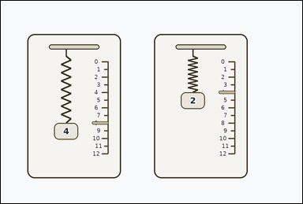 | 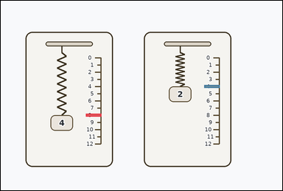 | task_physics_mechanics_spring_extension | extension_difference | Work from the spring-extension diagram shown in the image: two identical hanging springs shown in side-by-side cards, each next to a ruler marked in extension units, with labeled weight blocks beneath or beside the spring. Answer using only the weights, rulers, and spring markers shown in the diagram. Determine the difference in extension between the two identical springs. Answer with an integer. Return a valid JSON object with keys "evidence" and "answer" in that order. Evidence format: set "evidence" to an array of bounding boxes [x1, y1, x2, y2] for the two shown extension markers being compared. Answer requirement: set "answer" to the requested integer weight, extension, or extension difference value. Example JSON: {"evidence":[[2,3,4,5],[3,4,5,6]],"answer":8} | Work from the spring-extension diagram shown in the image: two identical hanging springs shown in side-by-side cards, each next to a ruler marked in extension units, with labeled weight blocks beneath or beside the spring. Answer using only the weights, rulers, and spring markers shown in the diagram. Determine the difference in extension between the two identical springs. Answer with an integer. Return a valid JSON object with key "answer". Answer field: set "answer" to the requested integer weight, extension, or extension difference value. Example JSON: {"answer":8} | {"evidence": [[296.0, 393.0, 350.0, 403.0], [708.0, 293.0, 762.0, 303.0]], "answer": 4} | [[296.0, 393.0, 350.0, 403.0], [708.0, 293.0, 762.0, 303.0]] | integer | bbox_set | 1.0998365449E+15 | physics/task_physics_mechanics_spring_extension/images/extension_difference/0009.png | physics/task_physics_mechanics_spring_extension/data/extension_difference/0009.json
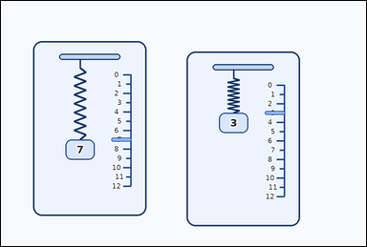 | 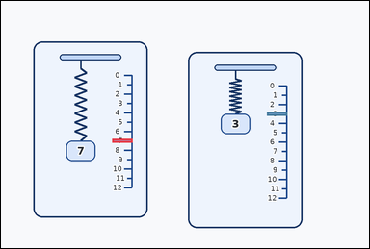 | task_physics_mechanics_spring_extension | extension_difference | Use the mechanics spring diagram in the image. It shows two identical hanging springs shown in slightly staggered cards, each next to a ruler marked in extension units, with labeled weight blocks beneath or beside the spring. Read the spring diagram and determine the requested value. How many extension units apart are the two shown spring markers? Answer with an integer. Return a valid JSON object with keys "evidence" and "answer" in that order. Evidence requirement: set "evidence" to an array of bounding boxes [x1, y1, x2, y2] for the two shown extension markers being compared. Answer format: set "answer" to the requested integer weight, extension, or extension difference value. Example JSON: {"evidence":[[2,3,4,5],[3,4,5,6]],"answer":8} | Use the mechanics spring diagram in the image. It shows two identical hanging springs shown in slightly staggered cards, each next to a ruler marked in extension units, with labeled weight blocks beneath or beside the spring. Read the spring diagram and determine the requested value. How many extension units apart are the two shown spring markers? Answer with an integer. Return a valid JSON object with key "answer". Answer requirement: set "answer" to the requested integer weight, extension, or extension difference value. Example JSON: {"answer":8} | {"evidence": [[296.0, 368.0, 350.0, 378.0], [708.0, 296.0, 762.0, 306.0]], "answer": 4} | [[296.0, 368.0, 350.0, 378.0], [708.0, 296.0, 762.0, 306.0]] | integer | bbox_set | 1.8422069659E+15 | physics/task_physics_mechanics_spring_extension/images/extension_difference/0014.png | physics/task_physics_mechanics_spring_extension/data/extension_difference/0014.json
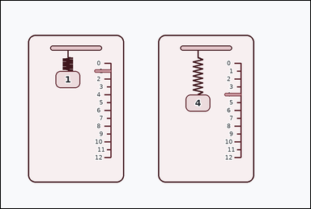 | 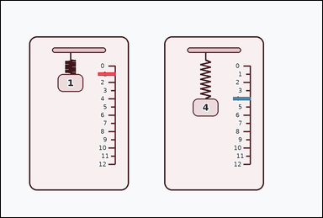 | task_physics_mechanics_spring_extension | extension_difference | Use the mechanics spring diagram in the image. It shows two identical hanging springs shown in side-by-side cards, each next to a ruler marked in extension units, with labeled weight blocks beneath or beside the spring. Determine the requested spring-extension value from the diagram. Determine the difference in extension between the two identical springs. Answer with an integer. Return a valid JSON object with keys "evidence" and "answer" in that order. Evidence: set "evidence" to an array of bounding boxes [x1, y1, x2, y2] for the two shown extension markers being compared. Answer: set "answer" to the requested integer weight, extension, or extension difference value. Example JSON: {"evidence":[[2,3,4,5],[3,4,5,6]],"answer":8} | Use the mechanics spring diagram in the image. It shows two identical hanging springs shown in side-by-side cards, each next to a ruler marked in extension units, with labeled weight blocks beneath or beside the spring. Determine the requested spring-extension value from the diagram. Determine the difference in extension between the two identical springs. Answer with an integer. Return a valid JSON object with key "answer". Answer rule: set "answer" to the requested integer weight, extension, or extension difference value. Example JSON: {"answer":8} | {"evidence": [[296.0, 218.0, 350.0, 228.0], [708.0, 293.0, 762.0, 303.0]], "answer": 3} | [[296.0, 218.0, 350.0, 228.0], [708.0, 293.0, 762.0, 303.0]] | integer | bbox_set | 1.9249691218E+15 | physics/task_physics_mechanics_spring_extension/images/extension_difference/0017.png | physics/task_physics_mechanics_spring_extension/data/extension_difference/0017.json
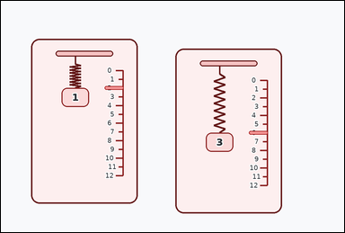 | 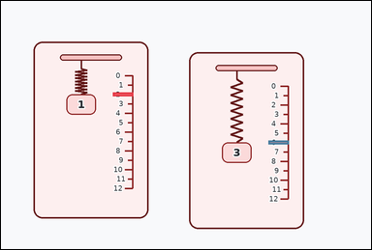 | task_physics_mechanics_spring_extension | extension_difference | Work from the spring-extension diagram shown in the image: two identical hanging springs shown in slightly staggered cards, each next to a ruler marked in extension units, with labeled weight blocks beneath or beside the spring. Work from the shown weight-extension relationship between the identical springs. How many extension units apart are the two shown spring markers? Answer with an integer. Return a valid JSON object with keys "evidence" and "answer" in that order. Evidence format: set "evidence" to an array of bounding boxes [x1, y1, x2, y2] for the two shown extension markers being compared. Answer requirement: set "answer" to the requested integer weight, extension, or extension difference value. Example JSON: {"evidence":[[2,3,4,5],[3,4,5,6]],"answer":8} | Work from the spring-extension diagram shown in the image: two identical hanging springs shown in slightly staggered cards, each next to a ruler marked in extension units, with labeled weight blocks beneath or beside the spring. Work from the shown weight-extension relationship between the identical springs. How many extension units apart are the two shown spring markers? Answer with an integer. Return a valid JSON object with key "answer". Answer rule: set "answer" to the requested integer weight, extension, or extension difference value. Example JSON: {"answer":8} | {"evidence": [[296.0, 243.0, 350.0, 253.0], [708.0, 371.0, 762.0, 381.0]], "answer": 4} | [[296.0, 243.0, 350.0, 253.0], [708.0, 371.0, 762.0, 381.0]] | integer | bbox_set | 1.996390451E+15 | physics/task_physics_mechanics_spring_extension/images/extension_difference/0004.png | physics/task_physics_mechanics_spring_extension/data/extension_difference/0004.json
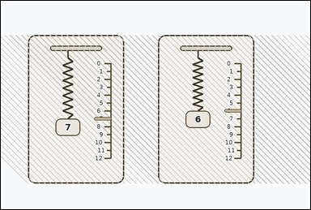 | 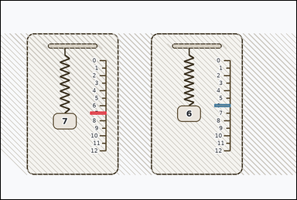 | task_physics_mechanics_spring_extension | extension_difference | Use the mechanics spring diagram in the image. It shows two identical hanging springs shown in textured cards, each next to a ruler marked in extension units, with labeled weight blocks beneath or beside the spring. Work from the shown weight-extension relationship between the identical springs. Determine the difference in extension between the two identical springs. Answer with an integer. Return a valid JSON object with keys "evidence" and "answer" in that order. Evidence requirement: set "evidence" to an array of bounding boxes [x1, y1, x2, y2] for the two shown extension markers being compared. Answer format: set "answer" to the requested integer weight, extension, or extension difference value. Example JSON: {"evidence":[[2,3,4,5],[3,4,5,6]],"answer":8} | Use the mechanics spring diagram in the image. It shows two identical hanging springs shown in textured cards, each next to a ruler marked in extension units, with labeled weight blocks beneath or beside the spring. Work from the shown weight-extension relationship between the identical springs. Determine the difference in extension between the two identical springs. Answer with an integer. Return a valid JSON object with key "answer". Answer requirement: set "answer" to the requested integer weight, extension, or extension difference value. Example JSON: {"answer":8} | {"evidence": [[296.0, 368.0, 350.0, 378.0], [708.0, 343.0, 762.0, 353.0]], "answer": 1} | [[296.0, 368.0, 350.0, 378.0], [708.0, 343.0, 762.0, 353.0]] | integer | bbox_set | 2.9308690505E+15 | physics/task_physics_mechanics_spring_extension/images/extension_difference/0022.png | physics/task_physics_mechanics_spring_extension/data/extension_difference/0022.json
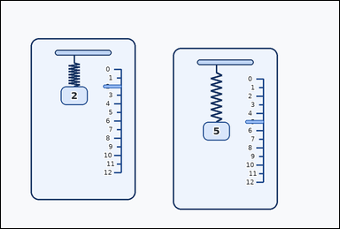 | 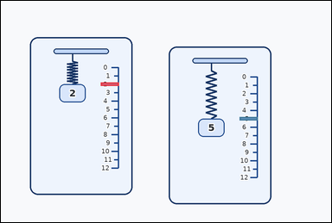 | task_physics_mechanics_spring_extension | extension_difference | Look at the mechanics spring diagram in the image. It shows two identical hanging springs shown in slightly staggered cards, each next to a ruler marked in extension units, with labeled weight blocks beneath or beside the spring. The two springs are identical. Use the shown weights and ruler marks to answer the question. How many extension units apart are the two shown spring markers? Answer with an integer. Return a valid JSON object with keys "evidence" and "answer" in that order. Evidence: set "evidence" to an array of bounding boxes [x1, y1, x2, y2] for the two shown extension markers being compared. Answer: set "answer" to the requested integer weight, extension, or extension difference value. Example JSON: {"evidence":[[2,3,4,5],[3,4,5,6]],"answer":8} | Look at the mechanics spring diagram in the image. It shows two identical hanging springs shown in slightly staggered cards, each next to a ruler marked in extension units, with labeled weight blocks beneath or beside the spring. The two springs are identical. Use the shown weights and ruler marks to answer the question. How many extension units apart are the two shown spring markers? Answer with an integer. Return a valid JSON object with key "answer". Answer field: set "answer" to the requested integer weight, extension, or extension difference value. Example JSON: {"answer":8} | {"evidence": [[296.0, 243.0, 350.0, 253.0], [708.0, 346.0, 762.0, 356.0]], "answer": 3} | [[296.0, 243.0, 350.0, 253.0], [708.0, 346.0, 762.0, 356.0]] | integer | bbox_set | 3.0122264892E+15 | physics/task_physics_mechanics_spring_extension/images/extension_difference/0016.png | physics/task_physics_mechanics_spring_extension/data/extension_difference/0016.json
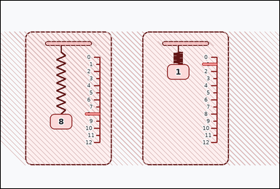 | 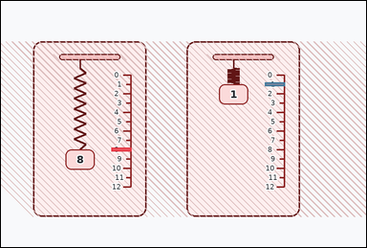 | task_physics_mechanics_spring_extension | extension_difference | Look at the mechanics spring diagram in the image. It shows two identical hanging springs shown in textured cards, each next to a ruler marked in extension units, with labeled weight blocks beneath or beside the spring. Determine the requested spring-extension value from the diagram. Using the two ruler markers, what integer difference in extension do the springs show? Return a valid JSON object with keys "evidence" and "answer" in that order. Evidence requirement: set "evidence" to an array of bounding boxes [x1, y1, x2, y2] for the two shown extension markers being compared. Answer format: set "answer" to the requested integer weight, extension, or extension difference value. Example JSON: {"evidence":[[2,3,4,5],[3,4,5,6]],"answer":8} | Look at the mechanics spring diagram in the image. It shows two identical hanging springs shown in textured cards, each next to a ruler marked in extension units, with labeled weight blocks beneath or beside the spring. Determine the requested spring-extension value from the diagram. Using the two ruler markers, what integer difference in extension do the springs show? Return a valid JSON object with key "answer". Answer requirement: set "answer" to the requested integer weight, extension, or extension difference value. Example JSON: {"answer":8} | {"evidence": [[296.0, 393.0, 350.0, 403.0], [708.0, 218.0, 762.0, 228.0]], "answer": 7} | [[296.0, 393.0, 350.0, 403.0], [708.0, 218.0, 762.0, 228.0]] | integer | bbox_set | 3.0800100481E+15 | physics/task_physics_mechanics_spring_extension/images/extension_difference/0000.png | physics/task_physics_mechanics_spring_extension/data/extension_difference/0000.json
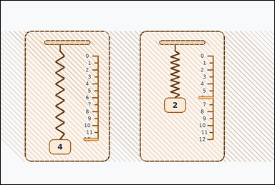 | 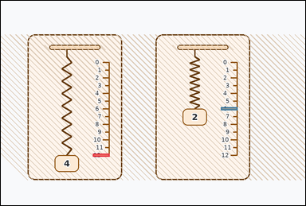 | task_physics_mechanics_spring_extension | extension_difference | The image shows two identical hanging springs shown in textured cards, each next to a ruler marked in extension units, with labeled weight blocks beneath or beside the spring. The two springs are identical. Use the shown weights and ruler marks to answer the question. Read the two spring-extension markers. What is their absolute difference? Answer with an integer. Return a valid JSON object with keys "evidence" and "answer" in that order. Evidence field: set "evidence" to an array of bounding boxes [x1, y1, x2, y2] for the two shown extension markers being compared. Answer field: set "answer" to the requested integer weight, extension, or extension difference value. Example JSON: {"evidence":[[2,3,4,5],[3,4,5,6]],"answer":8} | The image shows two identical hanging springs shown in textured cards, each next to a ruler marked in extension units, with labeled weight blocks beneath or beside the spring. The two springs are identical. Use the shown weights and ruler marks to answer the question. Read the two spring-extension markers. What is their absolute difference? Answer with an integer. Return a valid JSON object with key "answer". Answer requirement: set "answer" to the requested integer weight, extension, or extension difference value. Example JSON: {"answer":8} | {"evidence": [[296.0, 493.0, 350.0, 503.0], [708.0, 343.0, 762.0, 353.0]], "answer": 6} | [[296.0, 493.0, 350.0, 503.0], [708.0, 343.0, 762.0, 353.0]] | integer | bbox_set | 3.1171029E+15 | physics/task_physics_mechanics_spring_extension/images/extension_difference/0011.png | physics/task_physics_mechanics_spring_extension/data/extension_difference/0011.json
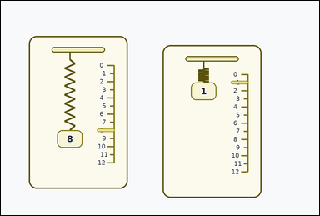 | 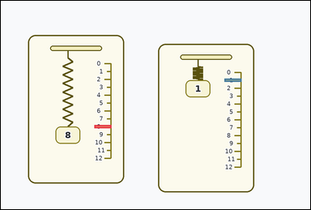 | task_physics_mechanics_spring_extension | extension_difference | Use the mechanics spring diagram in the image. It shows two identical hanging springs shown in slightly staggered cards, each next to a ruler marked in extension units, with labeled weight blocks beneath or beside the spring. Determine the requested spring-extension value from the diagram. Using the two ruler markers, what integer difference in extension do the springs show? Return a valid JSON object with keys "evidence" and "answer" in that order. Evidence: set "evidence" to an array of bounding boxes [x1, y1, x2, y2] for the two shown extension markers being compared. Answer: set "answer" to the requested integer weight, extension, or extension difference value. Example JSON: {"evidence":[[2,3,4,5],[3,4,5,6]],"answer":8} | Use the mechanics spring diagram in the image. It shows two identical hanging springs shown in slightly staggered cards, each next to a ruler marked in extension units, with labeled weight blocks beneath or beside the spring. Determine the requested spring-extension value from the diagram. Using the two ruler markers, what integer difference in extension do the springs show? Return a valid JSON object with key "answer". Answer requirement: set "answer" to the requested integer weight, extension, or extension difference value. Example JSON: {"answer":8} | {"evidence": [[296.0, 393.0, 350.0, 403.0], [708.0, 246.0, 762.0, 256.0]], "answer": 7} | [[296.0, 393.0, 350.0, 403.0], [708.0, 246.0, 762.0, 256.0]] | integer | bbox_set | 3.1531946444E+15 | physics/task_physics_mechanics_spring_extension/images/extension_difference/0008.png | physics/task_physics_mechanics_spring_extension/data/extension_difference/0008.json
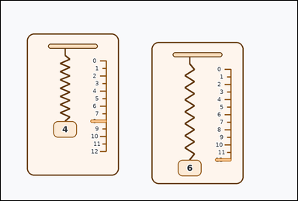 | 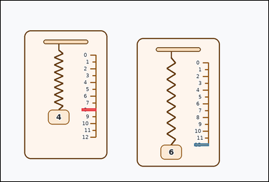 | task_physics_mechanics_spring_extension | extension_difference | Work from the spring-extension diagram shown in the image: two identical hanging springs shown in slightly staggered cards, each next to a ruler marked in extension units, with labeled weight blocks beneath or beside the spring. Work from the shown weight-extension relationship between the identical springs. Using the two ruler markers, what integer difference in extension do the springs show? Return a valid JSON object with keys "evidence" and "answer" in that order. Evidence format: set "evidence" to an array of bounding boxes [x1, y1, x2, y2] for the two shown extension markers being compared. Answer requirement: set "answer" to the requested integer weight, extension, or extension difference value. Example JSON: {"evidence":[[2,3,4,5],[3,4,5,6]],"answer":8} | Work from the spring-extension diagram shown in the image: two identical hanging springs shown in slightly staggered cards, each next to a ruler marked in extension units, with labeled weight blocks beneath or beside the spring. Work from the shown weight-extension relationship between the identical springs. Using the two ruler markers, what integer difference in extension do the springs show? Return a valid JSON object with key "answer". Answer: set "answer" to the requested integer weight, extension, or extension difference value. Example JSON: {"answer":8} | {"evidence": [[296.0, 393.0, 350.0, 403.0], [708.0, 521.0, 762.0, 531.0]], "answer": 4} | [[296.0, 393.0, 350.0, 403.0], [708.0, 521.0, 762.0, 531.0]] | integer | bbox_set | 3.1847839434E+15 | physics/task_physics_mechanics_spring_extension/images/extension_difference/0001.png | physics/task_physics_mechanics_spring_extension/data/extension_difference/0001.json
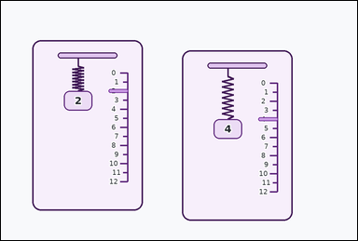 | 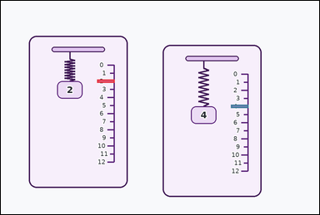 | task_physics_mechanics_spring_extension | extension_difference | You are given an image with two identical hanging springs shown in slightly staggered cards, each next to a ruler marked in extension units, with labeled weight blocks beneath or beside the spring. Read the spring diagram and determine the requested value. Determine the difference in extension between the two identical springs. Answer with an integer. Return a valid JSON object with keys "evidence" and "answer" in that order. Evidence: set "evidence" to an array of bounding boxes [x1, y1, x2, y2] for the two shown extension markers being compared. Answer: set "answer" to the requested integer weight, extension, or extension difference value. Example JSON: {"evidence":[[2,3,4,5],[3,4,5,6]],"answer":8} | You are given an image with two identical hanging springs shown in slightly staggered cards, each next to a ruler marked in extension units, with labeled weight blocks beneath or beside the spring. Read the spring diagram and determine the requested value. Determine the difference in extension between the two identical springs. Answer with an integer. Return a valid JSON object with key "answer". Answer rule: set "answer" to the requested integer weight, extension, or extension difference value. Example JSON: {"answer":8} | {"evidence": [[296.0, 243.0, 350.0, 253.0], [708.0, 321.0, 762.0, 331.0]], "answer": 2} | [[296.0, 243.0, 350.0, 253.0], [708.0, 321.0, 762.0, 331.0]] | integer | bbox_set | 4.2078567513E+15 | physics/task_physics_mechanics_spring_extension/images/extension_difference/0006.png | physics/task_physics_mechanics_spring_extension/data/extension_difference/0006.json
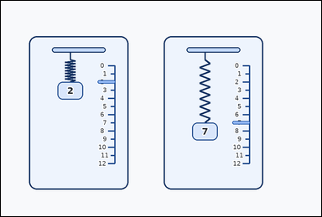 | 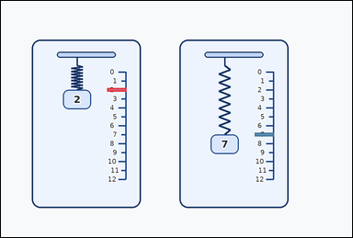 | task_physics_mechanics_spring_extension | extension_difference | Look at the mechanics spring diagram in the image. It shows two identical hanging springs shown in side-by-side cards, each next to a ruler marked in extension units, with labeled weight blocks beneath or beside the spring. The two springs are identical. Use the shown weights and ruler marks to answer the question. Determine the difference in extension between the two identical springs. Answer with an integer. Return a valid JSON object with keys "evidence" and "answer" in that order. Evidence rule: set "evidence" to an array of bounding boxes [x1, y1, x2, y2] for the two shown extension markers being compared. Answer rule: set "answer" to the requested integer weight, extension, or extension difference value. Example JSON: {"evidence":[[2,3,4,5],[3,4,5,6]],"answer":8} | Look at the mechanics spring diagram in the image. It shows two identical hanging springs shown in side-by-side cards, each next to a ruler marked in extension units, with labeled weight blocks beneath or beside the spring. The two springs are identical. Use the shown weights and ruler marks to answer the question. Determine the difference in extension between the two identical springs. Answer with an integer. Return a valid JSON object with key "answer". Answer requirement: set "answer" to the requested integer weight, extension, or extension difference value. Example JSON: {"answer":8} | {"evidence": [[296.0, 243.0, 350.0, 253.0], [708.0, 368.0, 762.0, 378.0]], "answer": 5} | [[296.0, 243.0, 350.0, 253.0], [708.0, 368.0, 762.0, 378.0]] | integer | bbox_set | 4.294716981E+15 | physics/task_physics_mechanics_spring_extension/images/extension_difference/0012.png | physics/task_physics_mechanics_spring_extension/data/extension_difference/0012.json
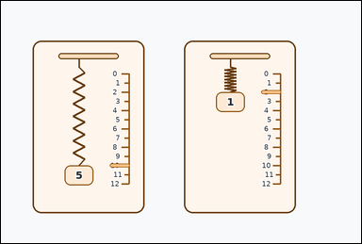 | 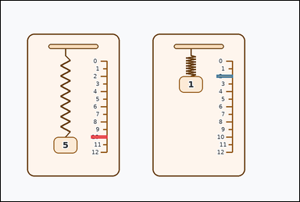 | task_physics_mechanics_spring_extension | extension_difference | Look at the mechanics spring diagram in the image. It shows two identical hanging springs shown in side-by-side cards, each next to a ruler marked in extension units, with labeled weight blocks beneath or beside the spring. Read the spring diagram and determine the requested value. What is the absolute difference between the two shown spring extensions? Answer with an integer. Return a valid JSON object with keys "evidence" and "answer" in that order. Evidence field: set "evidence" to an array of bounding boxes [x1, y1, x2, y2] for the two shown extension markers being compared. Answer field: set "answer" to the requested integer weight, extension, or extension difference value. Example JSON: {"evidence":[[2,3,4,5],[3,4,5,6]],"answer":8} | Look at the mechanics spring diagram in the image. It shows two identical hanging springs shown in side-by-side cards, each next to a ruler marked in extension units, with labeled weight blocks beneath or beside the spring. Read the spring diagram and determine the requested value. What is the absolute difference between the two shown spring extensions? Answer with an integer. Return a valid JSON object with key "answer". Answer rule: set "answer" to the requested integer weight, extension, or extension difference value. Example JSON: {"answer":8} | {"evidence": [[296.0, 443.0, 350.0, 453.0], [708.0, 243.0, 762.0, 253.0]], "answer": 8} | [[296.0, 443.0, 350.0, 453.0], [708.0, 243.0, 762.0, 253.0]] | integer | bbox_set | 4.302533279E+15 | physics/task_physics_mechanics_spring_extension/images/extension_difference/0019.png | physics/task_physics_mechanics_spring_extension/data/extension_difference/0019.json
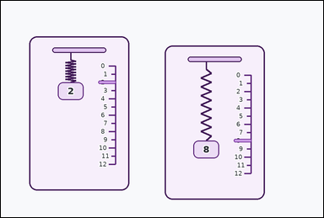 | 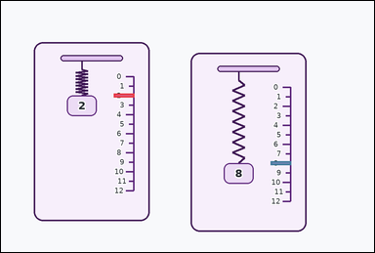 | task_physics_mechanics_spring_extension | extension_difference | Use the mechanics spring diagram in the image. It shows two identical hanging springs shown in slightly staggered cards, each next to a ruler marked in extension units, with labeled weight blocks beneath or beside the spring. Read the spring diagram and determine the requested value. How many extension units apart are the two shown spring markers? Answer with an integer. Return a valid JSON object with keys "evidence" and "answer" in that order. Evidence field: set "evidence" to an array of bounding boxes [x1, y1, x2, y2] for the two shown extension markers being compared. Answer field: set "answer" to the requested integer weight, extension, or extension difference value. Example JSON: {"evidence":[[2,3,4,5],[3,4,5,6]],"answer":8} | Use the mechanics spring diagram in the image. It shows two identical hanging springs shown in slightly staggered cards, each next to a ruler marked in extension units, with labeled weight blocks beneath or beside the spring. Read the spring diagram and determine the requested value. How many extension units apart are the two shown spring markers? Answer with an integer. Return a valid JSON object with key "answer". Answer format: set "answer" to the requested integer weight, extension, or extension difference value. Example JSON: {"answer":8} | {"evidence": [[296.0, 243.0, 350.0, 253.0], [708.0, 421.0, 762.0, 431.0]], "answer": 6} | [[296.0, 243.0, 350.0, 253.0], [708.0, 421.0, 762.0, 431.0]] | integer | bbox_set | 4.7979307127E+15 | physics/task_physics_mechanics_spring_extension/images/extension_difference/0023.png | physics/task_physics_mechanics_spring_extension/data/extension_difference/0023.json
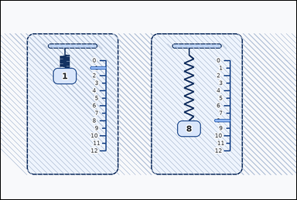 | 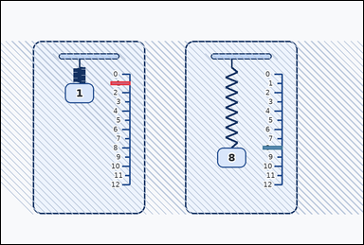 | task_physics_mechanics_spring_extension | extension_difference | Use the mechanics spring diagram in the image. It shows two identical hanging springs shown in textured cards, each next to a ruler marked in extension units, with labeled weight blocks beneath or beside the spring. The two springs are identical. Use the shown weights and ruler marks to answer the question. Determine the difference in extension between the two identical springs. Answer with an integer. Return a valid JSON object with keys "evidence" and "answer" in that order. Evidence format: set "evidence" to an array of bounding boxes [x1, y1, x2, y2] for the two shown extension markers being compared. Answer requirement: set "answer" to the requested integer weight, extension, or extension difference value. Example JSON: {"evidence":[[2,3,4,5],[3,4,5,6]],"answer":8} | Use the mechanics spring diagram in the image. It shows two identical hanging springs shown in textured cards, each next to a ruler marked in extension units, with labeled weight blocks beneath or beside the spring. The two springs are identical. Use the shown weights and ruler marks to answer the question. Determine the difference in extension between the two identical springs. Answer with an integer. Return a valid JSON object with key "answer". Answer format: set "answer" to the requested integer weight, extension, or extension difference value. Example JSON: {"answer":8} | {"evidence": [[296.0, 218.0, 350.0, 228.0], [708.0, 393.0, 762.0, 403.0]], "answer": 7} | [[296.0, 218.0, 350.0, 228.0], [708.0, 393.0, 762.0, 403.0]] | integer | bbox_set | 5.6099170432E+15 | physics/task_physics_mechanics_spring_extension/images/extension_difference/0020.png | physics/task_physics_mechanics_spring_extension/data/extension_difference/0020.json
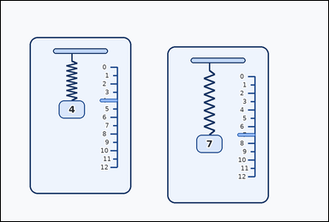 | 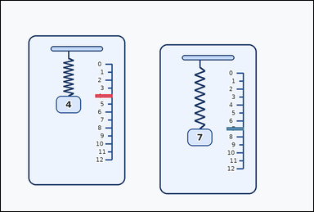 | task_physics_mechanics_spring_extension | extension_difference | Work from the spring-extension diagram shown in the image: two identical hanging springs shown in slightly staggered cards, each next to a ruler marked in extension units, with labeled weight blocks beneath or beside the spring. Work from the shown weight-extension relationship between the identical springs. Read the two spring-extension markers. What is their absolute difference? Answer with an integer. Return a valid JSON object with keys "evidence" and "answer" in that order. Evidence requirement: set "evidence" to an array of bounding boxes [x1, y1, x2, y2] for the two shown extension markers being compared. Answer format: set "answer" to the requested integer weight, extension, or extension difference value. Example JSON: {"evidence":[[2,3,4,5],[3,4,5,6]],"answer":8} | Work from the spring-extension diagram shown in the image: two identical hanging springs shown in slightly staggered cards, each next to a ruler marked in extension units, with labeled weight blocks beneath or beside the spring. Work from the shown weight-extension relationship between the identical springs. Read the two spring-extension markers. What is their absolute difference? Answer with an integer. Return a valid JSON object with key "answer". Answer requirement: set "answer" to the requested integer weight, extension, or extension difference value. Example JSON: {"answer":8} | {"evidence": [[296.0, 293.0, 350.0, 303.0], [708.0, 396.0, 762.0, 406.0]], "answer": 3} | [[296.0, 293.0, 350.0, 303.0], [708.0, 396.0, 762.0, 406.0]] | integer | bbox_set | 6.1419970806E+15 | physics/task_physics_mechanics_spring_extension/images/extension_difference/0003.png | physics/task_physics_mechanics_spring_extension/data/extension_difference/0003.json
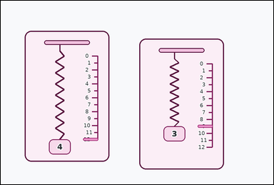 | 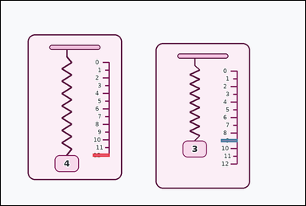 | task_physics_mechanics_spring_extension | extension_difference | The image shows two identical hanging springs shown in slightly staggered cards, each next to a ruler marked in extension units, with labeled weight blocks beneath or beside the spring. Work from the shown weight-extension relationship between the identical springs. Read the two spring-extension markers. What is their absolute difference? Answer with an integer. Return a valid JSON object with keys "evidence" and "answer" in that order. Evidence rule: set "evidence" to an array of bounding boxes [x1, y1, x2, y2] for the two shown extension markers being compared. Answer rule: set "answer" to the requested integer weight, extension, or extension difference value. Example JSON: {"evidence":[[2,3,4,5],[3,4,5,6]],"answer":8} | The image shows two identical hanging springs shown in slightly staggered cards, each next to a ruler marked in extension units, with labeled weight blocks beneath or beside the spring. Work from the shown weight-extension relationship between the identical springs. Read the two spring-extension markers. What is their absolute difference? Answer with an integer. Return a valid JSON object with key "answer". Answer rule: set "answer" to the requested integer weight, extension, or extension difference value. Example JSON: {"answer":8} | {"evidence": [[296.0, 493.0, 350.0, 503.0], [708.0, 446.0, 762.0, 456.0]], "answer": 3} | [[296.0, 493.0, 350.0, 503.0], [708.0, 446.0, 762.0, 456.0]] | integer | bbox_set | 6.2417251826E+15 | physics/task_physics_mechanics_spring_extension/images/extension_difference/0005.png | physics/task_physics_mechanics_spring_extension/data/extension_difference/0005.json
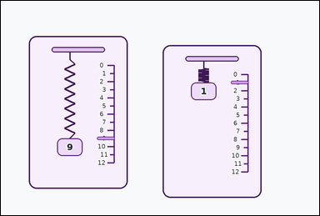 | 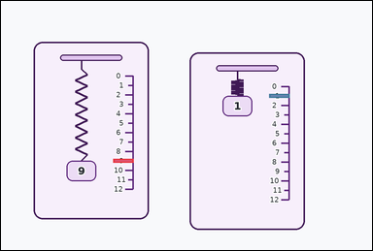 | task_physics_mechanics_spring_extension | extension_difference | Look at the mechanics spring diagram in the image. It shows two identical hanging springs shown in slightly staggered cards, each next to a ruler marked in extension units, with labeled weight blocks beneath or beside the spring. Work from the shown weight-extension relationship between the identical springs. Determine the difference in extension between the two identical springs. Answer with an integer. Return a valid JSON object with keys "evidence" and "answer" in that order. Evidence requirement: set "evidence" to an array of bounding boxes [x1, y1, x2, y2] for the two shown extension markers being compared. Answer format: set "answer" to the requested integer weight, extension, or extension difference value. Example JSON: {"evidence":[[2,3,4,5],[3,4,5,6]],"answer":8} | Look at the mechanics spring diagram in the image. It shows two identical hanging springs shown in slightly staggered cards, each next to a ruler marked in extension units, with labeled weight blocks beneath or beside the spring. Work from the shown weight-extension relationship between the identical springs. Determine the difference in extension between the two identical springs. Answer with an integer. Return a valid JSON object with key "answer". Answer rule: set "answer" to the requested integer weight, extension, or extension difference value. Example JSON: {"answer":8} | {"evidence": [[296.0, 418.0, 350.0, 428.0], [708.0, 246.0, 762.0, 256.0]], "answer": 8} | [[296.0, 418.0, 350.0, 428.0], [708.0, 246.0, 762.0, 256.0]] | integer | bbox_set | 6.3696620218E+15 | physics/task_physics_mechanics_spring_extension/images/extension_difference/0007.png | physics/task_physics_mechanics_spring_extension/data/extension_difference/0007.json
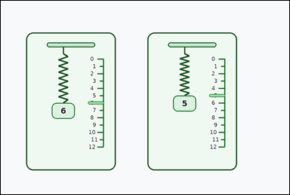 | 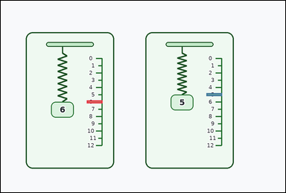 | task_physics_mechanics_spring_extension | extension_difference | Work from the spring-extension diagram shown in the image: two identical hanging springs shown in side-by-side cards, each next to a ruler marked in extension units, with labeled weight blocks beneath or beside the spring. Determine the requested spring-extension value from the diagram. Determine the difference in extension between the two identical springs. Answer with an integer. Return a valid JSON object with keys "evidence" and "answer" in that order. Evidence: set "evidence" to an array of bounding boxes [x1, y1, x2, y2] for the two shown extension markers being compared. Answer: set "answer" to the requested integer weight, extension, or extension difference value. Example JSON: {"evidence":[[2,3,4,5],[3,4,5,6]],"answer":8} | Work from the spring-extension diagram shown in the image: two identical hanging springs shown in side-by-side cards, each next to a ruler marked in extension units, with labeled weight blocks beneath or beside the spring. Determine the requested spring-extension value from the diagram. Determine the difference in extension between the two identical springs. Answer with an integer. Return a valid JSON object with key "answer". Answer requirement: set "answer" to the requested integer weight, extension, or extension difference value. Example JSON: {"answer":8} | {"evidence": [[296.0, 343.0, 350.0, 353.0], [708.0, 318.0, 762.0, 328.0]], "answer": 1} | [[296.0, 343.0, 350.0, 353.0], [708.0, 318.0, 762.0, 328.0]] | integer | bbox_set | 6.9789400728E+15 | physics/task_physics_mechanics_spring_extension/images/extension_difference/0021.png | physics/task_physics_mechanics_spring_extension/data/extension_difference/0021.json
 | 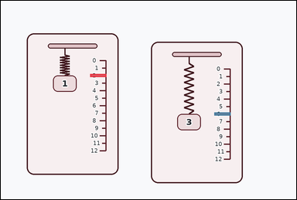 | task_physics_mechanics_spring_extension | extension_difference | Look at the mechanics spring diagram in the image. It shows two identical hanging springs shown in slightly staggered cards, each next to a ruler marked in extension units, with labeled weight blocks beneath or beside the spring. Determine the requested spring-extension value from the diagram. How many extension units apart are the two shown spring markers? Answer with an integer. Return a valid JSON object with keys "evidence" and "answer" in that order. Evidence requirement: set "evidence" to an array of bounding boxes [x1, y1, x2, y2] for the two shown extension markers being compared. Answer format: set "answer" to the requested integer weight, extension, or extension difference value. Example JSON: {"evidence":[[2,3,4,5],[3,4,5,6]],"answer":8} | Look at the mechanics spring diagram in the image. It shows two identical hanging springs shown in slightly staggered cards, each next to a ruler marked in extension units, with labeled weight blocks beneath or beside the spring. Determine the requested spring-extension value from the diagram. How many extension units apart are the two shown spring markers? Answer with an integer. Return a valid JSON object with key "answer". Answer field: set "answer" to the requested integer weight, extension, or extension difference value. Example JSON: {"answer":8} | {"evidence": [[296.0, 243.0, 350.0, 253.0], [708.0, 371.0, 762.0, 381.0]], "answer": 4} | [[296.0, 243.0, 350.0, 253.0], [708.0, 371.0, 762.0, 381.0]] | integer | bbox_set | 7.0433100175E+15 | physics/task_physics_mechanics_spring_extension/images/extension_difference/0015.png | physics/task_physics_mechanics_spring_extension/data/extension_difference/0015.json
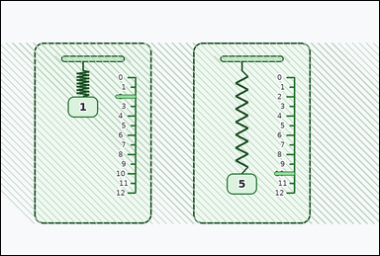 | 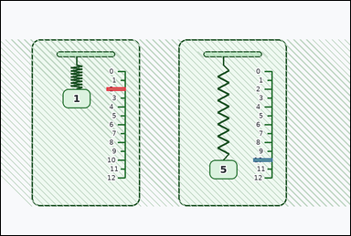 | task_physics_mechanics_spring_extension | extension_difference | You are given an image with two identical hanging springs shown in textured cards, each next to a ruler marked in extension units, with labeled weight blocks beneath or beside the spring. The two springs are identical. Use the shown weights and ruler marks to answer the question. What is the absolute difference between the two shown spring extensions? Answer with an integer. Return a valid JSON object with keys "evidence" and "answer" in that order. Evidence format: set "evidence" to an array of bounding boxes [x1, y1, x2, y2] for the two shown extension markers being compared. Answer requirement: set "answer" to the requested integer weight, extension, or extension difference value. Example JSON: {"evidence":[[2,3,4,5],[3,4,5,6]],"answer":8} | You are given an image with two identical hanging springs shown in textured cards, each next to a ruler marked in extension units, with labeled weight blocks beneath or beside the spring. The two springs are identical. Use the shown weights and ruler marks to answer the question. What is the absolute difference between the two shown spring extensions? Answer with an integer. Return a valid JSON object with key "answer". Answer format: set "answer" to the requested integer weight, extension, or extension difference value. Example JSON: {"answer":8} | {"evidence": [[296.0, 243.0, 350.0, 253.0], [708.0, 443.0, 762.0, 453.0]], "answer": 8} | [[296.0, 243.0, 350.0, 253.0], [708.0, 443.0, 762.0, 453.0]] | integer | bbox_set | 7.7834241262E+15 | physics/task_physics_mechanics_spring_extension/images/extension_difference/0024.png | physics/task_physics_mechanics_spring_extension/data/extension_difference/0024.json
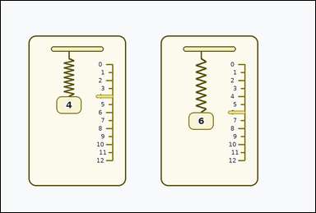 | 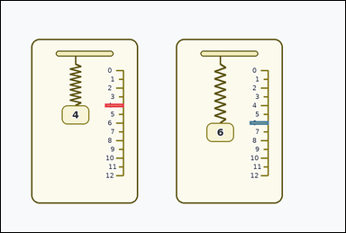 | task_physics_mechanics_spring_extension | extension_difference | The image shows two identical hanging springs shown in side-by-side cards, each next to a ruler marked in extension units, with labeled weight blocks beneath or beside the spring. The two springs are identical. Use the shown weights and ruler marks to answer the question. Determine the difference in extension between the two identical springs. Answer with an integer. Return a valid JSON object with keys "evidence" and "answer" in that order. Evidence requirement: set "evidence" to an array of bounding boxes [x1, y1, x2, y2] for the two shown extension markers being compared. Answer format: set "answer" to the requested integer weight, extension, or extension difference value. Example JSON: {"evidence":[[2,3,4,5],[3,4,5,6]],"answer":8} | The image shows two identical hanging springs shown in side-by-side cards, each next to a ruler marked in extension units, with labeled weight blocks beneath or beside the spring. The two springs are identical. Use the shown weights and ruler marks to answer the question. Determine the difference in extension between the two identical springs. Answer with an integer. Return a valid JSON object with key "answer". Answer rule: set "answer" to the requested integer weight, extension, or extension difference value. Example JSON: {"answer":8} | {"evidence": [[296.0, 293.0, 350.0, 303.0], [708.0, 343.0, 762.0, 353.0]], "answer": 2} | [[296.0, 293.0, 350.0, 303.0], [708.0, 343.0, 762.0, 353.0]] | integer | bbox_set | 8.3377679055E+15 | physics/task_physics_mechanics_spring_extension/images/extension_difference/0002.png | physics/task_physics_mechanics_spring_extension/data/extension_difference/0002.json
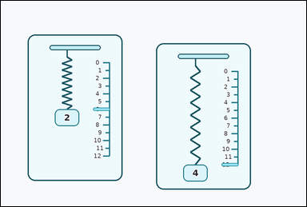 | 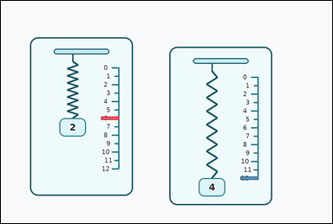 | task_physics_mechanics_spring_extension | extension_difference | Use the mechanics spring diagram in the image. It shows two identical hanging springs shown in slightly staggered cards, each next to a ruler marked in extension units, with labeled weight blocks beneath or beside the spring. Answer using only the weights, rulers, and spring markers shown in the diagram. Using the two ruler markers, what integer difference in extension do the springs show? Return a valid JSON object with keys "evidence" and "answer" in that order. Evidence requirement: set "evidence" to an array of bounding boxes [x1, y1, x2, y2] for the two shown extension markers being compared. Answer format: set "answer" to the requested integer weight, extension, or extension difference value. Example JSON: {"evidence":[[2,3,4,5],[3,4,5,6]],"answer":8} | Use the mechanics spring diagram in the image. It shows two identical hanging springs shown in slightly staggered cards, each next to a ruler marked in extension units, with labeled weight blocks beneath or beside the spring. Answer using only the weights, rulers, and spring markers shown in the diagram. Using the two ruler markers, what integer difference in extension do the springs show? Return a valid JSON object with key "answer". Answer rule: set "answer" to the requested integer weight, extension, or extension difference value. Example JSON: {"answer":8} | {"evidence": [[296.0, 343.0, 350.0, 353.0], [708.0, 521.0, 762.0, 531.0]], "answer": 6} | [[296.0, 343.0, 350.0, 353.0], [708.0, 521.0, 762.0, 531.0]] | integer | bbox_set | 8.4656007725E+15 | physics/task_physics_mechanics_spring_extension/images/extension_difference/0013.png | physics/task_physics_mechanics_spring_extension/data/extension_difference/0013.json
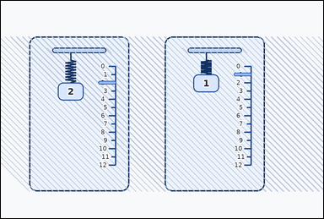 | 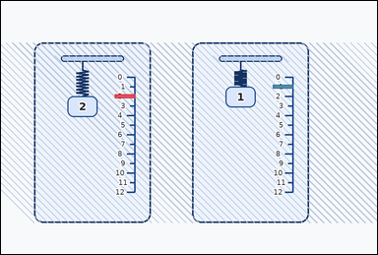 | task_physics_mechanics_spring_extension | extension_difference | The image shows two identical hanging springs shown in textured cards, each next to a ruler marked in extension units, with labeled weight blocks beneath or beside the spring. Determine the requested spring-extension value from the diagram. Using the two ruler markers, what integer difference in extension do the springs show? Return a valid JSON object with keys "evidence" and "answer" in that order. Evidence requirement: set "evidence" to an array of bounding boxes [x1, y1, x2, y2] for the two shown extension markers being compared. Answer format: set "answer" to the requested integer weight, extension, or extension difference value. Example JSON: {"evidence":[[2,3,4,5],[3,4,5,6]],"answer":8} | The image shows two identical hanging springs shown in textured cards, each next to a ruler marked in extension units, with labeled weight blocks beneath or beside the spring. Determine the requested spring-extension value from the diagram. Using the two ruler markers, what integer difference in extension do the springs show? Return a valid JSON object with key "answer". Answer field: set "answer" to the requested integer weight, extension, or extension difference value. Example JSON: {"answer":8} | {"evidence": [[296.0, 243.0, 350.0, 253.0], [708.0, 218.0, 762.0, 228.0]], "answer": 1} | [[296.0, 243.0, 350.0, 253.0], [708.0, 218.0, 762.0, 228.0]] | integer | bbox_set | 8.8510667441E+15 | physics/task_physics_mechanics_spring_extension/images/extension_difference/0018.png | physics/task_physics_mechanics_spring_extension/data/extension_difference/0018.json
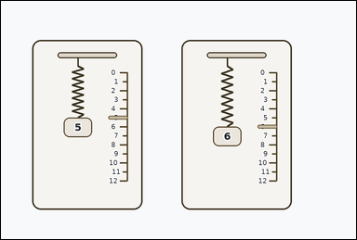 | 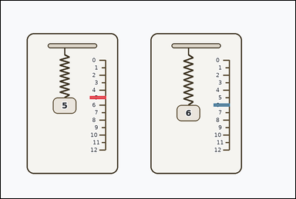 | task_physics_mechanics_spring_extension | extension_difference | Use the mechanics spring diagram in the image. It shows two identical hanging springs shown in side-by-side cards, each next to a ruler marked in extension units, with labeled weight blocks beneath or beside the spring. Read the spring diagram and determine the requested value. Using the two ruler markers, what integer difference in extension do the springs show? Return a valid JSON object with keys "evidence" and "answer" in that order. Evidence rule: set "evidence" to an array of bounding boxes [x1, y1, x2, y2] for the two shown extension markers being compared. Answer rule: set "answer" to the requested integer weight, extension, or extension difference value. Example JSON: {"evidence":[[2,3,4,5],[3,4,5,6]],"answer":8} | Use the mechanics spring diagram in the image. It shows two identical hanging springs shown in side-by-side cards, each next to a ruler marked in extension units, with labeled weight blocks beneath or beside the spring. Read the spring diagram and determine the requested value. Using the two ruler markers, what integer difference in extension do the springs show? Return a valid JSON object with key "answer". Answer requirement: set "answer" to the requested integer weight, extension, or extension difference value. Example JSON: {"answer":8} | {"evidence": [[296.0, 318.0, 350.0, 328.0], [708.0, 343.0, 762.0, 353.0]], "answer": 1} | [[296.0, 318.0, 350.0, 328.0], [708.0, 343.0, 762.0, 353.0]] | integer | bbox_set | 8.9850835559E+15 | physics/task_physics_mechanics_spring_extension/images/extension_difference/0010.png | physics/task_physics_mechanics_spring_extension/data/extension_difference/0010.json

missing_extension_for_weight
image | evidence_image | task | task_variant | prompt | prompt_answer_only | answer | answer_evidence | answer_type | evidence_type | instance_seed | image_path | data_path
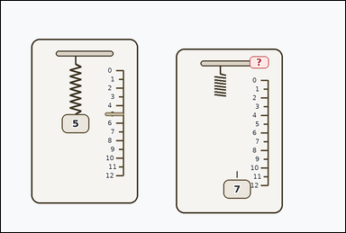 |  | task_physics_mechanics_spring_extension | missing_extension_for_weight | The image shows two identical hanging springs shown in slightly staggered cards, each next to a ruler marked in extension units, with labeled weight blocks beneath or beside the spring. The two springs are identical. Use the shown weights and ruler marks to answer the question. Use the reference spring and the shown right-side weight. What extension should the right spring have? Answer with an integer. Return a valid JSON object with keys "evidence" and "answer" in that order. Evidence field: set "evidence" to an array of bounding boxes [x1, y1, x2, y2] for the reference weight block, the reference extension marker, the shown query weight block, and the marked red `?` extension tag. Answer field: set "answer" to the requested integer weight, extension, or extension difference value. Example JSON: {"evidence":[[2,3,4,5],[3,4,5,6],[4,5,6,7],[5,6,7,8]],"answer":8} | The image shows two identical hanging springs shown in slightly staggered cards, each next to a ruler marked in extension units, with labeled weight blocks beneath or beside the spring. The two springs are identical. Use the shown weights and ruler marks to answer the question. Use the reference spring and the shown right-side weight. What extension should the right spring have? Answer with an integer. Return a valid JSON object with key "answer". Answer rule: set "answer" to the requested integer weight, extension, or extension difference value. Example JSON: {"answer":8} | {"evidence": [[173.0, 323.0, 251.0, 377.0], [296.0, 318.0, 350.0, 328.0], [633.0, 510.0, 711.0, 564.0], [708.0, 158.0, 762.0, 192.0]], "answer": 7} | [[173.0, 323.0, 251.0, 377.0], [296.0, 318.0, 350.0, 328.0], [633.0, 510.0, 711.0, 564.0], [708.0, 158.0, 762.0, 192.0]] | integer | bbox_set | 843787520340040 | physics/task_physics_mechanics_spring_extension/images/missing_extension_for_weight/0014.png | physics/task_physics_mechanics_spring_extension/data/missing_extension_for_weight/0014.json
 |  | task_physics_mechanics_spring_extension | missing_extension_for_weight | The image shows two identical hanging springs shown in side-by-side cards, each next to a ruler marked in extension units, with labeled weight blocks beneath or beside the spring. Work from the shown weight-extension relationship between the identical springs. Determine the missing right-side extension from the identical-spring diagram. Answer with an integer. Return a valid JSON object with keys "evidence" and "answer" in that order. Evidence: set "evidence" to an array of bounding boxes [x1, y1, x2, y2] for the reference weight block, the reference extension marker, the shown query weight block, and the marked red `?` extension tag. Answer: set "answer" to the requested integer weight, extension, or extension difference value. Example JSON: {"evidence":[[2,3,4,5],[3,4,5,6],[4,5,6,7],[5,6,7,8]],"answer":8} | The image shows two identical hanging springs shown in side-by-side cards, each next to a ruler marked in extension units, with labeled weight blocks beneath or beside the spring. Work from the shown weight-extension relationship between the identical springs. Determine the missing right-side extension from the identical-spring diagram. Answer with an integer. Return a valid JSON object with key "answer". Answer rule: set "answer" to the requested integer weight, extension, or extension difference value. Example JSON: {"answer":8} | {"evidence": [[173.0, 348.0, 251.0, 402.0], [296.0, 343.0, 350.0, 353.0], [633.0, 482.0, 711.0, 536.0], [708.0, 130.0, 762.0, 164.0]], "answer": 5} | [[173.0, 348.0, 251.0, 402.0], [296.0, 343.0, 350.0, 353.0], [633.0, 482.0, 711.0, 536.0], [708.0, 130.0, 762.0, 164.0]] | integer | bbox_set | 981341638732155 | physics/task_physics_mechanics_spring_extension/images/missing_extension_for_weight/0024.png | physics/task_physics_mechanics_spring_extension/data/missing_extension_for_weight/0024.json
 |  | task_physics_mechanics_spring_extension | missing_extension_for_weight | The image shows two identical hanging springs shown in textured cards, each next to a ruler marked in extension units, with labeled weight blocks beneath or beside the spring. Determine the requested spring-extension value from the diagram. Determine the missing right-side extension from the identical-spring diagram. Answer with an integer. Return a valid JSON object with keys "evidence" and "answer" in that order. Evidence requirement: set "evidence" to an array of bounding boxes [x1, y1, x2, y2] for the reference weight block, the reference extension marker, the shown query weight block, and the marked red `?` extension tag. Answer format: set "answer" to the requested integer weight, extension, or extension difference value. Example JSON: {"evidence":[[2,3,4,5],[3,4,5,6],[4,5,6,7],[5,6,7,8]],"answer":8} | The image shows two identical hanging springs shown in textured cards, each next to a ruler marked in extension units, with labeled weight blocks beneath or beside the spring. Determine the requested spring-extension value from the diagram. Determine the missing right-side extension from the identical-spring diagram. Answer with an integer. Return a valid JSON object with key "answer". Answer requirement: set "answer" to the requested integer weight, extension, or extension difference value. Example JSON: {"answer":8} | {"evidence": [[173.0, 423.0, 251.0, 477.0], [296.0, 418.0, 350.0, 428.0], [633.0, 482.0, 711.0, 536.0], [708.0, 130.0, 762.0, 164.0]], "answer": 12} | [[173.0, 423.0, 251.0, 477.0], [296.0, 418.0, 350.0, 428.0], [633.0, 482.0, 711.0, 536.0], [708.0, 130.0, 762.0, 164.0]] | integer | bbox_set | 1.0000165746E+15 | physics/task_physics_mechanics_spring_extension/images/missing_extension_for_weight/0015.png | physics/task_physics_mechanics_spring_extension/data/missing_extension_for_weight/0015.json
 |  | task_physics_mechanics_spring_extension | missing_extension_for_weight | You are given an image with two identical hanging springs shown in side-by-side cards, each next to a ruler marked in extension units, with labeled weight blocks beneath or beside the spring. The two springs are identical. Use the shown weights and ruler marks to answer the question. The two springs are identical. What integer extension belongs at the marked red `?` tag on the right ruler? Return a valid JSON object with keys "evidence" and "answer" in that order. Evidence requirement: set "evidence" to an array of bounding boxes [x1, y1, x2, y2] for the reference weight block, the reference extension marker, the shown query weight block, and the marked red `?` extension tag. Answer format: set "answer" to the requested integer weight, extension, or extension difference value. Example JSON: {"evidence":[[2,3,4,5],[3,4,5,6],[4,5,6,7],[5,6,7,8]],"answer":8} | You are given an image with two identical hanging springs shown in side-by-side cards, each next to a ruler marked in extension units, with labeled weight blocks beneath or beside the spring. The two springs are identical. Use the shown weights and ruler marks to answer the question. The two springs are identical. What integer extension belongs at the marked red `?` tag on the right ruler? Return a valid JSON object with key "answer". Answer: set "answer" to the requested integer weight, extension, or extension difference value. Example JSON: {"answer":8} | {"evidence": [[173.0, 423.0, 251.0, 477.0], [296.0, 418.0, 350.0, 428.0], [633.0, 482.0, 711.0, 536.0], [708.0, 130.0, 762.0, 164.0]], "answer": 12} | [[173.0, 423.0, 251.0, 477.0], [296.0, 418.0, 350.0, 428.0], [633.0, 482.0, 711.0, 536.0], [708.0, 130.0, 762.0, 164.0]] | integer | bbox_set | 1.081130234E+15 | physics/task_physics_mechanics_spring_extension/images/missing_extension_for_weight/0006.png | physics/task_physics_mechanics_spring_extension/data/missing_extension_for_weight/0006.json
 |  | task_physics_mechanics_spring_extension | missing_extension_for_weight | Work from the spring-extension diagram shown in the image: two identical hanging springs shown in side-by-side cards, each next to a ruler marked in extension units, with labeled weight blocks beneath or beside the spring. Answer using only the weights, rulers, and spring markers shown in the diagram. The two springs are identical. What integer extension belongs at the marked red `?` tag on the right ruler? Return a valid JSON object with keys "evidence" and "answer" in that order. Evidence format: set "evidence" to an array of bounding boxes [x1, y1, x2, y2] for the reference weight block, the reference extension marker, the shown query weight block, and the marked red `?` extension tag. Answer requirement: set "answer" to the requested integer weight, extension, or extension difference value. Example JSON: {"evidence":[[2,3,4,5],[3,4,5,6],[4,5,6,7],[5,6,7,8]],"answer":8} | Work from the spring-extension diagram shown in the image: two identical hanging springs shown in side-by-side cards, each next to a ruler marked in extension units, with labeled weight blocks beneath or beside the spring. Answer using only the weights, rulers, and spring markers shown in the diagram. The two springs are identical. What integer extension belongs at the marked red `?` tag on the right ruler? Return a valid JSON object with key "answer". Answer: set "answer" to the requested integer weight, extension, or extension difference value. Example JSON: {"answer":8} | {"evidence": [[173.0, 273.0, 251.0, 327.0], [296.0, 268.0, 350.0, 278.0], [633.0, 482.0, 711.0, 536.0], [708.0, 130.0, 762.0, 164.0]], "answer": 9} | [[173.0, 273.0, 251.0, 327.0], [296.0, 268.0, 350.0, 278.0], [633.0, 482.0, 711.0, 536.0], [708.0, 130.0, 762.0, 164.0]] | integer | bbox_set | 1.0916700134E+15 | physics/task_physics_mechanics_spring_extension/images/missing_extension_for_weight/0001.png | physics/task_physics_mechanics_spring_extension/data/missing_extension_for_weight/0001.json
 |  | task_physics_mechanics_spring_extension | missing_extension_for_weight | You are given an image with two identical hanging springs shown in textured cards, each next to a ruler marked in extension units, with labeled weight blocks beneath or beside the spring. Read the spring diagram and determine the requested value. The red `?` tag marks the unknown extension on the right spring. What extension should the shown right-side weight produce? Answer with an integer. Return a valid JSON object with keys "evidence" and "answer" in that order. Evidence field: set "evidence" to an array of bounding boxes [x1, y1, x2, y2] for the reference weight block, the reference extension marker, the shown query weight block, and the marked red `?` extension tag. Answer field: set "answer" to the requested integer weight, extension, or extension difference value. Example JSON: {"evidence":[[2,3,4,5],[3,4,5,6],[4,5,6,7],[5,6,7,8]],"answer":8} | You are given an image with two identical hanging springs shown in textured cards, each next to a ruler marked in extension units, with labeled weight blocks beneath or beside the spring. Read the spring diagram and determine the requested value. The red `?` tag marks the unknown extension on the right spring. What extension should the shown right-side weight produce? Answer with an integer. Return a valid JSON object with key "answer". Answer rule: set "answer" to the requested integer weight, extension, or extension difference value. Example JSON: {"answer":8} | {"evidence": [[173.0, 248.0, 251.0, 302.0], [296.0, 243.0, 350.0, 253.0], [633.0, 482.0, 711.0, 536.0], [708.0, 130.0, 762.0, 164.0]], "answer": 8} | [[173.0, 248.0, 251.0, 302.0], [296.0, 243.0, 350.0, 253.0], [633.0, 482.0, 711.0, 536.0], [708.0, 130.0, 762.0, 164.0]] | integer | bbox_set | 1.9841515794E+15 | physics/task_physics_mechanics_spring_extension/images/missing_extension_for_weight/0000.png | physics/task_physics_mechanics_spring_extension/data/missing_extension_for_weight/0000.json
 |  | task_physics_mechanics_spring_extension | missing_extension_for_weight | You are given an image with two identical hanging springs shown in slightly staggered cards, each next to a ruler marked in extension units, with labeled weight blocks beneath or beside the spring. Determine the requested spring-extension value from the diagram. The red `?` tag marks the unknown extension on the right spring. What extension should the shown right-side weight produce? Answer with an integer. Return a valid JSON object with keys "evidence" and "answer" in that order. Evidence field: set "evidence" to an array of bounding boxes [x1, y1, x2, y2] for the reference weight block, the reference extension marker, the shown query weight block, and the marked red `?` extension tag. Answer field: set "answer" to the requested integer weight, extension, or extension difference value. Example JSON: {"evidence":[[2,3,4,5],[3,4,5,6],[4,5,6,7],[5,6,7,8]],"answer":8} | You are given an image with two identical hanging springs shown in slightly staggered cards, each next to a ruler marked in extension units, with labeled weight blocks beneath or beside the spring. Determine the requested spring-extension value from the diagram. The red `?` tag marks the unknown extension on the right spring. What extension should the shown right-side weight produce? Answer with an integer. Return a valid JSON object with key "answer". Answer field: set "answer" to the requested integer weight, extension, or extension difference value. Example JSON: {"answer":8} | {"evidence": [[173.0, 348.0, 251.0, 402.0], [296.0, 343.0, 350.0, 353.0], [633.0, 510.0, 711.0, 564.0], [708.0, 158.0, 762.0, 192.0]], "answer": 7} | [[173.0, 348.0, 251.0, 402.0], [296.0, 343.0, 350.0, 353.0], [633.0, 510.0, 711.0, 564.0], [708.0, 158.0, 762.0, 192.0]] | integer | bbox_set | 2.5023571938E+15 | physics/task_physics_mechanics_spring_extension/images/missing_extension_for_weight/0011.png | physics/task_physics_mechanics_spring_extension/data/missing_extension_for_weight/0011.json
 |  | task_physics_mechanics_spring_extension | missing_extension_for_weight | You are given an image with two identical hanging springs shown in textured cards, each next to a ruler marked in extension units, with labeled weight blocks beneath or beside the spring. The two springs are identical. Use the shown weights and ruler marks to answer the question. The two springs are identical. What integer extension belongs at the marked red `?` tag on the right ruler? Return a valid JSON object with keys "evidence" and "answer" in that order. Evidence format: set "evidence" to an array of bounding boxes [x1, y1, x2, y2] for the reference weight block, the reference extension marker, the shown query weight block, and the marked red `?` extension tag. Answer requirement: set "answer" to the requested integer weight, extension, or extension difference value. Example JSON: {"evidence":[[2,3,4,5],[3,4,5,6],[4,5,6,7],[5,6,7,8]],"answer":8} | You are given an image with two identical hanging springs shown in textured cards, each next to a ruler marked in extension units, with labeled weight blocks beneath or beside the spring. The two springs are identical. Use the shown weights and ruler marks to answer the question. The two springs are identical. What integer extension belongs at the marked red `?` tag on the right ruler? Return a valid JSON object with key "answer". Answer requirement: set "answer" to the requested integer weight, extension, or extension difference value. Example JSON: {"answer":8} | {"evidence": [[173.0, 248.0, 251.0, 302.0], [296.0, 243.0, 350.0, 253.0], [633.0, 482.0, 711.0, 536.0], [708.0, 130.0, 762.0, 164.0]], "answer": 4} | [[173.0, 248.0, 251.0, 302.0], [296.0, 243.0, 350.0, 253.0], [633.0, 482.0, 711.0, 536.0], [708.0, 130.0, 762.0, 164.0]] | integer | bbox_set | 2.5704320524E+15 | physics/task_physics_mechanics_spring_extension/images/missing_extension_for_weight/0012.png | physics/task_physics_mechanics_spring_extension/data/missing_extension_for_weight/0012.json
 |  | task_physics_mechanics_spring_extension | missing_extension_for_weight | You are given an image with two identical hanging springs shown in slightly staggered cards, each next to a ruler marked in extension units, with labeled weight blocks beneath or beside the spring. The two springs are identical. Use the shown weights and ruler marks to answer the question. Determine the missing right-side extension from the identical-spring diagram. Answer with an integer. Return a valid JSON object with keys "evidence" and "answer" in that order. Evidence format: set "evidence" to an array of bounding boxes [x1, y1, x2, y2] for the reference weight block, the reference extension marker, the shown query weight block, and the marked red `?` extension tag. Answer requirement: set "answer" to the requested integer weight, extension, or extension difference value. Example JSON: {"evidence":[[2,3,4,5],[3,4,5,6],[4,5,6,7],[5,6,7,8]],"answer":8} | You are given an image with two identical hanging springs shown in slightly staggered cards, each next to a ruler marked in extension units, with labeled weight blocks beneath or beside the spring. The two springs are identical. Use the shown weights and ruler marks to answer the question. Determine the missing right-side extension from the identical-spring diagram. Answer with an integer. Return a valid JSON object with key "answer". Answer rule: set "answer" to the requested integer weight, extension, or extension difference value. Example JSON: {"answer":8} | {"evidence": [[173.0, 298.0, 251.0, 352.0], [296.0, 293.0, 350.0, 303.0], [633.0, 510.0, 711.0, 564.0], [708.0, 158.0, 762.0, 192.0]], "answer": 6} | [[173.0, 298.0, 251.0, 352.0], [296.0, 293.0, 350.0, 303.0], [633.0, 510.0, 711.0, 564.0], [708.0, 158.0, 762.0, 192.0]] | integer | bbox_set | 2.817338331E+15 | physics/task_physics_mechanics_spring_extension/images/missing_extension_for_weight/0018.png | physics/task_physics_mechanics_spring_extension/data/missing_extension_for_weight/0018.json
 |  | task_physics_mechanics_spring_extension | missing_extension_for_weight | Work from the spring-extension diagram shown in the image: two identical hanging springs shown in side-by-side cards, each next to a ruler marked in extension units, with labeled weight blocks beneath or beside the spring. Read the spring diagram and determine the requested value. The right spring's extension is missing. What integer extension would the shown right-side weight produce on an identical spring? Return a valid JSON object with keys "evidence" and "answer" in that order. Evidence requirement: set "evidence" to an array of bounding boxes [x1, y1, x2, y2] for the reference weight block, the reference extension marker, the shown query weight block, and the marked red `?` extension tag. Answer format: set "answer" to the requested integer weight, extension, or extension difference value. Example JSON: {"evidence":[[2,3,4,5],[3,4,5,6],[4,5,6,7],[5,6,7,8]],"answer":8} | Work from the spring-extension diagram shown in the image: two identical hanging springs shown in side-by-side cards, each next to a ruler marked in extension units, with labeled weight blocks beneath or beside the spring. Read the spring diagram and determine the requested value. The right spring's extension is missing. What integer extension would the shown right-side weight produce on an identical spring? Return a valid JSON object with key "answer". Answer field: set "answer" to the requested integer weight, extension, or extension difference value. Example JSON: {"answer":8} | {"evidence": [[173.0, 223.0, 251.0, 277.0], [296.0, 218.0, 350.0, 228.0], [633.0, 482.0, 711.0, 536.0], [708.0, 130.0, 762.0, 164.0]], "answer": 3} | [[173.0, 223.0, 251.0, 277.0], [296.0, 218.0, 350.0, 228.0], [633.0, 482.0, 711.0, 536.0], [708.0, 130.0, 762.0, 164.0]] | integer | bbox_set | 3.1012103071E+15 | physics/task_physics_mechanics_spring_extension/images/missing_extension_for_weight/0022.png | physics/task_physics_mechanics_spring_extension/data/missing_extension_for_weight/0022.json
 |  | task_physics_mechanics_spring_extension | missing_extension_for_weight | Look at the mechanics spring diagram in the image. It shows two identical hanging springs shown in side-by-side cards, each next to a ruler marked in extension units, with labeled weight blocks beneath or beside the spring. Work from the shown weight-extension relationship between the identical springs. The right spring's extension is missing. What integer extension would the shown right-side weight produce on an identical spring? Return a valid JSON object with keys "evidence" and "answer" in that order. Evidence format: set "evidence" to an array of bounding boxes [x1, y1, x2, y2] for the reference weight block, the reference extension marker, the shown query weight block, and the marked red `?` extension tag. Answer requirement: set "answer" to the requested integer weight, extension, or extension difference value. Example JSON: {"evidence":[[2,3,4,5],[3,4,5,6],[4,5,6,7],[5,6,7,8]],"answer":8} | Look at the mechanics spring diagram in the image. It shows two identical hanging springs shown in side-by-side cards, each next to a ruler marked in extension units, with labeled weight blocks beneath or beside the spring. Work from the shown weight-extension relationship between the identical springs. The right spring's extension is missing. What integer extension would the shown right-side weight produce on an identical spring? Return a valid JSON object with key "answer". Answer format: set "answer" to the requested integer weight, extension, or extension difference value. Example JSON: {"answer":8} | {"evidence": [[173.0, 348.0, 251.0, 402.0], [296.0, 343.0, 350.0, 353.0], [633.0, 482.0, 711.0, 536.0], [708.0, 130.0, 762.0, 164.0]], "answer": 8} | [[173.0, 348.0, 251.0, 402.0], [296.0, 343.0, 350.0, 353.0], [633.0, 482.0, 711.0, 536.0], [708.0, 130.0, 762.0, 164.0]] | integer | bbox_set | 3.1162716359E+15 | physics/task_physics_mechanics_spring_extension/images/missing_extension_for_weight/0016.png | physics/task_physics_mechanics_spring_extension/data/missing_extension_for_weight/0016.json
 |  | task_physics_mechanics_spring_extension | missing_extension_for_weight | Work from the spring-extension diagram shown in the image: two identical hanging springs shown in textured cards, each next to a ruler marked in extension units, with labeled weight blocks beneath or beside the spring. Work from the shown weight-extension relationship between the identical springs. Use the reference spring and the shown right-side weight. What extension should the right spring have? Answer with an integer. Return a valid JSON object with keys "evidence" and "answer" in that order. Evidence: set "evidence" to an array of bounding boxes [x1, y1, x2, y2] for the reference weight block, the reference extension marker, the shown query weight block, and the marked red `?` extension tag. Answer: set "answer" to the requested integer weight, extension, or extension difference value. Example JSON: {"evidence":[[2,3,4,5],[3,4,5,6],[4,5,6,7],[5,6,7,8]],"answer":8} | Work from the spring-extension diagram shown in the image: two identical hanging springs shown in textured cards, each next to a ruler marked in extension units, with labeled weight blocks beneath or beside the spring. Work from the shown weight-extension relationship between the identical springs. Use the reference spring and the shown right-side weight. What extension should the right spring have? Answer with an integer. Return a valid JSON object with key "answer". Answer field: set "answer" to the requested integer weight, extension, or extension difference value. Example JSON: {"answer":8} | {"evidence": [[173.0, 273.0, 251.0, 327.0], [296.0, 268.0, 350.0, 278.0], [633.0, 482.0, 711.0, 536.0], [708.0, 130.0, 762.0, 164.0]], "answer": 7} | [[173.0, 273.0, 251.0, 327.0], [296.0, 268.0, 350.0, 278.0], [633.0, 482.0, 711.0, 536.0], [708.0, 130.0, 762.0, 164.0]] | integer | bbox_set | 3.809186095E+15 | physics/task_physics_mechanics_spring_extension/images/missing_extension_for_weight/0017.png | physics/task_physics_mechanics_spring_extension/data/missing_extension_for_weight/0017.json
 |  | task_physics_mechanics_spring_extension | missing_extension_for_weight | You are given an image with two identical hanging springs shown in slightly staggered cards, each next to a ruler marked in extension units, with labeled weight blocks beneath or beside the spring. Determine the requested spring-extension value from the diagram. Use the reference spring and the shown right-side weight. What extension should the right spring have? Answer with an integer. Return a valid JSON object with keys "evidence" and "answer" in that order. Evidence: set "evidence" to an array of bounding boxes [x1, y1, x2, y2] for the reference weight block, the reference extension marker, the shown query weight block, and the marked red `?` extension tag. Answer: set "answer" to the requested integer weight, extension, or extension difference value. Example JSON: {"evidence":[[2,3,4,5],[3,4,5,6],[4,5,6,7],[5,6,7,8]],"answer":8} | You are given an image with two identical hanging springs shown in slightly staggered cards, each next to a ruler marked in extension units, with labeled weight blocks beneath or beside the spring. Determine the requested spring-extension value from the diagram. Use the reference spring and the shown right-side weight. What extension should the right spring have? Answer with an integer. Return a valid JSON object with key "answer". Answer requirement: set "answer" to the requested integer weight, extension, or extension difference value. Example JSON: {"answer":8} | {"evidence": [[173.0, 398.0, 251.0, 452.0], [296.0, 393.0, 350.0, 403.0], [633.0, 510.0, 711.0, 564.0], [708.0, 158.0, 762.0, 192.0]], "answer": 10} | [[173.0, 398.0, 251.0, 452.0], [296.0, 393.0, 350.0, 403.0], [633.0, 510.0, 711.0, 564.0], [708.0, 158.0, 762.0, 192.0]] | integer | bbox_set | 4.5438379472E+15 | physics/task_physics_mechanics_spring_extension/images/missing_extension_for_weight/0009.png | physics/task_physics_mechanics_spring_extension/data/missing_extension_for_weight/0009.json
 |  | task_physics_mechanics_spring_extension | missing_extension_for_weight | The image shows two identical hanging springs shown in textured cards, each next to a ruler marked in extension units, with labeled weight blocks beneath or beside the spring. Work from the shown weight-extension relationship between the identical springs. The red `?` tag marks the unknown extension on the right spring. What extension should the shown right-side weight produce? Answer with an integer. Return a valid JSON object with keys "evidence" and "answer" in that order. Evidence rule: set "evidence" to an array of bounding boxes [x1, y1, x2, y2] for the reference weight block, the reference extension marker, the shown query weight block, and the marked red `?` extension tag. Answer rule: set "answer" to the requested integer weight, extension, or extension difference value. Example JSON: {"evidence":[[2,3,4,5],[3,4,5,6],[4,5,6,7],[5,6,7,8]],"answer":8} | The image shows two identical hanging springs shown in textured cards, each next to a ruler marked in extension units, with labeled weight blocks beneath or beside the spring. Work from the shown weight-extension relationship between the identical springs. The red `?` tag marks the unknown extension on the right spring. What extension should the shown right-side weight produce? Answer with an integer. Return a valid JSON object with key "answer". Answer requirement: set "answer" to the requested integer weight, extension, or extension difference value. Example JSON: {"answer":8} | {"evidence": [[173.0, 348.0, 251.0, 402.0], [296.0, 343.0, 350.0, 353.0], [633.0, 482.0, 711.0, 536.0], [708.0, 130.0, 762.0, 164.0]], "answer": 5} | [[173.0, 348.0, 251.0, 402.0], [296.0, 343.0, 350.0, 353.0], [633.0, 482.0, 711.0, 536.0], [708.0, 130.0, 762.0, 164.0]] | integer | bbox_set | 4.6981028965E+15 | physics/task_physics_mechanics_spring_extension/images/missing_extension_for_weight/0007.png | physics/task_physics_mechanics_spring_extension/data/missing_extension_for_weight/0007.json
 |  | task_physics_mechanics_spring_extension | missing_extension_for_weight | The image shows two identical hanging springs shown in side-by-side cards, each next to a ruler marked in extension units, with labeled weight blocks beneath or beside the spring. Determine the requested spring-extension value from the diagram. Use the reference spring and the shown right-side weight. What extension should the right spring have? Answer with an integer. Return a valid JSON object with keys "evidence" and "answer" in that order. Evidence: set "evidence" to an array of bounding boxes [x1, y1, x2, y2] for the reference weight block, the reference extension marker, the shown query weight block, and the marked red `?` extension tag. Answer: set "answer" to the requested integer weight, extension, or extension difference value. Example JSON: {"evidence":[[2,3,4,5],[3,4,5,6],[4,5,6,7],[5,6,7,8]],"answer":8} | The image shows two identical hanging springs shown in side-by-side cards, each next to a ruler marked in extension units, with labeled weight blocks beneath or beside the spring. Determine the requested spring-extension value from the diagram. Use the reference spring and the shown right-side weight. What extension should the right spring have? Answer with an integer. Return a valid JSON object with key "answer". Answer rule: set "answer" to the requested integer weight, extension, or extension difference value. Example JSON: {"answer":8} | {"evidence": [[173.0, 398.0, 251.0, 452.0], [296.0, 393.0, 350.0, 403.0], [633.0, 482.0, 711.0, 536.0], [708.0, 130.0, 762.0, 164.0]], "answer": 7} | [[173.0, 398.0, 251.0, 452.0], [296.0, 393.0, 350.0, 403.0], [633.0, 482.0, 711.0, 536.0], [708.0, 130.0, 762.0, 164.0]] | integer | bbox_set | 4.8522930532E+15 | physics/task_physics_mechanics_spring_extension/images/missing_extension_for_weight/0008.png | physics/task_physics_mechanics_spring_extension/data/missing_extension_for_weight/0008.json
 |  | task_physics_mechanics_spring_extension | missing_extension_for_weight | Use the mechanics spring diagram in the image. It shows two identical hanging springs shown in side-by-side cards, each next to a ruler marked in extension units, with labeled weight blocks beneath or beside the spring. Determine the requested spring-extension value from the diagram. The two springs are identical. What integer extension belongs at the marked red `?` tag on the right ruler? Return a valid JSON object with keys "evidence" and "answer" in that order. Evidence format: set "evidence" to an array of bounding boxes [x1, y1, x2, y2] for the reference weight block, the reference extension marker, the shown query weight block, and the marked red `?` extension tag. Answer requirement: set "answer" to the requested integer weight, extension, or extension difference value. Example JSON: {"evidence":[[2,3,4,5],[3,4,5,6],[4,5,6,7],[5,6,7,8]],"answer":8} | Use the mechanics spring diagram in the image. It shows two identical hanging springs shown in side-by-side cards, each next to a ruler marked in extension units, with labeled weight blocks beneath or beside the spring. Determine the requested spring-extension value from the diagram. The two springs are identical. What integer extension belongs at the marked red `?` tag on the right ruler? Return a valid JSON object with key "answer". Answer rule: set "answer" to the requested integer weight, extension, or extension difference value. Example JSON: {"answer":8} | {"evidence": [[173.0, 248.0, 251.0, 302.0], [296.0, 243.0, 350.0, 253.0], [633.0, 482.0, 711.0, 536.0], [708.0, 130.0, 762.0, 164.0]], "answer": 4} | [[173.0, 248.0, 251.0, 302.0], [296.0, 243.0, 350.0, 253.0], [633.0, 482.0, 711.0, 536.0], [708.0, 130.0, 762.0, 164.0]] | integer | bbox_set | 5.2941269072E+15 | physics/task_physics_mechanics_spring_extension/images/missing_extension_for_weight/0004.png | physics/task_physics_mechanics_spring_extension/data/missing_extension_for_weight/0004.json
 |  | task_physics_mechanics_spring_extension | missing_extension_for_weight | You are given an image with two identical hanging springs shown in textured cards, each next to a ruler marked in extension units, with labeled weight blocks beneath or beside the spring. The two springs are identical. Use the shown weights and ruler marks to answer the question. The two springs are identical. What integer extension belongs at the marked red `?` tag on the right ruler? Return a valid JSON object with keys "evidence" and "answer" in that order. Evidence field: set "evidence" to an array of bounding boxes [x1, y1, x2, y2] for the reference weight block, the reference extension marker, the shown query weight block, and the marked red `?` extension tag. Answer field: set "answer" to the requested integer weight, extension, or extension difference value. Example JSON: {"evidence":[[2,3,4,5],[3,4,5,6],[4,5,6,7],[5,6,7,8]],"answer":8} | You are given an image with two identical hanging springs shown in textured cards, each next to a ruler marked in extension units, with labeled weight blocks beneath or beside the spring. The two springs are identical. Use the shown weights and ruler marks to answer the question. The two springs are identical. What integer extension belongs at the marked red `?` tag on the right ruler? Return a valid JSON object with key "answer". Answer requirement: set "answer" to the requested integer weight, extension, or extension difference value. Example JSON: {"answer":8} | {"evidence": [[173.0, 223.0, 251.0, 277.0], [296.0, 218.0, 350.0, 228.0], [633.0, 482.0, 711.0, 536.0], [708.0, 130.0, 762.0, 164.0]], "answer": 8} | [[173.0, 223.0, 251.0, 277.0], [296.0, 218.0, 350.0, 228.0], [633.0, 482.0, 711.0, 536.0], [708.0, 130.0, 762.0, 164.0]] | integer | bbox_set | 5.5242595067E+15 | physics/task_physics_mechanics_spring_extension/images/missing_extension_for_weight/0013.png | physics/task_physics_mechanics_spring_extension/data/missing_extension_for_weight/0013.json
 |  | task_physics_mechanics_spring_extension | missing_extension_for_weight | Work from the spring-extension diagram shown in the image: two identical hanging springs shown in side-by-side cards, each next to a ruler marked in extension units, with labeled weight blocks beneath or beside the spring. Work from the shown weight-extension relationship between the identical springs. The two springs are identical. What integer extension belongs at the marked red `?` tag on the right ruler? Return a valid JSON object with keys "evidence" and "answer" in that order. Evidence field: set "evidence" to an array of bounding boxes [x1, y1, x2, y2] for the reference weight block, the reference extension marker, the shown query weight block, and the marked red `?` extension tag. Answer field: set "answer" to the requested integer weight, extension, or extension difference value. Example JSON: {"evidence":[[2,3,4,5],[3,4,5,6],[4,5,6,7],[5,6,7,8]],"answer":8} | Work from the spring-extension diagram shown in the image: two identical hanging springs shown in side-by-side cards, each next to a ruler marked in extension units, with labeled weight blocks beneath or beside the spring. Work from the shown weight-extension relationship between the identical springs. The two springs are identical. What integer extension belongs at the marked red `?` tag on the right ruler? Return a valid JSON object with key "answer". Answer field: set "answer" to the requested integer weight, extension, or extension difference value. Example JSON: {"answer":8} | {"evidence": [[173.0, 273.0, 251.0, 327.0], [296.0, 268.0, 350.0, 278.0], [633.0, 482.0, 711.0, 536.0], [708.0, 130.0, 762.0, 164.0]], "answer": 12} | [[173.0, 273.0, 251.0, 327.0], [296.0, 268.0, 350.0, 278.0], [633.0, 482.0, 711.0, 536.0], [708.0, 130.0, 762.0, 164.0]] | integer | bbox_set | 5.8929659636E+15 | physics/task_physics_mechanics_spring_extension/images/missing_extension_for_weight/0023.png | physics/task_physics_mechanics_spring_extension/data/missing_extension_for_weight/0023.json
 |  | task_physics_mechanics_spring_extension | missing_extension_for_weight | Look at the mechanics spring diagram in the image. It shows two identical hanging springs shown in side-by-side cards, each next to a ruler marked in extension units, with labeled weight blocks beneath or beside the spring. Answer using only the weights, rulers, and spring markers shown in the diagram. Determine the missing right-side extension from the identical-spring diagram. Answer with an integer. Return a valid JSON object with keys "evidence" and "answer" in that order. Evidence field: set "evidence" to an array of bounding boxes [x1, y1, x2, y2] for the reference weight block, the reference extension marker, the shown query weight block, and the marked red `?` extension tag. Answer field: set "answer" to the requested integer weight, extension, or extension difference value. Example JSON: {"evidence":[[2,3,4,5],[3,4,5,6],[4,5,6,7],[5,6,7,8]],"answer":8} | Look at the mechanics spring diagram in the image. It shows two identical hanging springs shown in side-by-side cards, each next to a ruler marked in extension units, with labeled weight blocks beneath or beside the spring. Answer using only the weights, rulers, and spring markers shown in the diagram. Determine the missing right-side extension from the identical-spring diagram. Answer with an integer. Return a valid JSON object with key "answer". Answer: set "answer" to the requested integer weight, extension, or extension difference value. Example JSON: {"answer":8} | {"evidence": [[173.0, 423.0, 251.0, 477.0], [296.0, 418.0, 350.0, 428.0], [633.0, 482.0, 711.0, 536.0], [708.0, 130.0, 762.0, 164.0]], "answer": 5} | [[173.0, 423.0, 251.0, 477.0], [296.0, 418.0, 350.0, 428.0], [633.0, 482.0, 711.0, 536.0], [708.0, 130.0, 762.0, 164.0]] | integer | bbox_set | 6.3225952832E+15 | physics/task_physics_mechanics_spring_extension/images/missing_extension_for_weight/0020.png | physics/task_physics_mechanics_spring_extension/data/missing_extension_for_weight/0020.json
 |  | task_physics_mechanics_spring_extension | missing_extension_for_weight | Work from the spring-extension diagram shown in the image: two identical hanging springs shown in textured cards, each next to a ruler marked in extension units, with labeled weight blocks beneath or beside the spring. The two springs are identical. Use the shown weights and ruler marks to answer the question. Determine the missing right-side extension from the identical-spring diagram. Answer with an integer. Return a valid JSON object with keys "evidence" and "answer" in that order. Evidence field: set "evidence" to an array of bounding boxes [x1, y1, x2, y2] for the reference weight block, the reference extension marker, the shown query weight block, and the marked red `?` extension tag. Answer field: set "answer" to the requested integer weight, extension, or extension difference value. Example JSON: {"evidence":[[2,3,4,5],[3,4,5,6],[4,5,6,7],[5,6,7,8]],"answer":8} | Work from the spring-extension diagram shown in the image: two identical hanging springs shown in textured cards, each next to a ruler marked in extension units, with labeled weight blocks beneath or beside the spring. The two springs are identical. Use the shown weights and ruler marks to answer the question. Determine the missing right-side extension from the identical-spring diagram. Answer with an integer. Return a valid JSON object with key "answer". Answer field: set "answer" to the requested integer weight, extension, or extension difference value. Example JSON: {"answer":8} | {"evidence": [[173.0, 248.0, 251.0, 302.0], [296.0, 243.0, 350.0, 253.0], [633.0, 482.0, 711.0, 536.0], [708.0, 130.0, 762.0, 164.0]], "answer": 8} | [[173.0, 248.0, 251.0, 302.0], [296.0, 243.0, 350.0, 253.0], [633.0, 482.0, 711.0, 536.0], [708.0, 130.0, 762.0, 164.0]] | integer | bbox_set | 6.3753239925E+15 | physics/task_physics_mechanics_spring_extension/images/missing_extension_for_weight/0019.png | physics/task_physics_mechanics_spring_extension/data/missing_extension_for_weight/0019.json
 |  | task_physics_mechanics_spring_extension | missing_extension_for_weight | Work from the spring-extension diagram shown in the image: two identical hanging springs shown in textured cards, each next to a ruler marked in extension units, with labeled weight blocks beneath or beside the spring. Determine the requested spring-extension value from the diagram. Determine the missing right-side extension from the identical-spring diagram. Answer with an integer. Return a valid JSON object with keys "evidence" and "answer" in that order. Evidence requirement: set "evidence" to an array of bounding boxes [x1, y1, x2, y2] for the reference weight block, the reference extension marker, the shown query weight block, and the marked red `?` extension tag. Answer format: set "answer" to the requested integer weight, extension, or extension difference value. Example JSON: {"evidence":[[2,3,4,5],[3,4,5,6],[4,5,6,7],[5,6,7,8]],"answer":8} | Work from the spring-extension diagram shown in the image: two identical hanging springs shown in textured cards, each next to a ruler marked in extension units, with labeled weight blocks beneath or beside the spring. Determine the requested spring-extension value from the diagram. Determine the missing right-side extension from the identical-spring diagram. Answer with an integer. Return a valid JSON object with key "answer". Answer field: set "answer" to the requested integer weight, extension, or extension difference value. Example JSON: {"answer":8} | {"evidence": [[173.0, 223.0, 251.0, 277.0], [296.0, 218.0, 350.0, 228.0], [633.0, 482.0, 711.0, 536.0], [708.0, 130.0, 762.0, 164.0]], "answer": 7} | [[173.0, 223.0, 251.0, 277.0], [296.0, 218.0, 350.0, 228.0], [633.0, 482.0, 711.0, 536.0], [708.0, 130.0, 762.0, 164.0]] | integer | bbox_set | 6.5863967943E+15 | physics/task_physics_mechanics_spring_extension/images/missing_extension_for_weight/0005.png | physics/task_physics_mechanics_spring_extension/data/missing_extension_for_weight/0005.json
 |  | task_physics_mechanics_spring_extension | missing_extension_for_weight | Look at the mechanics spring diagram in the image. It shows two identical hanging springs shown in textured cards, each next to a ruler marked in extension units, with labeled weight blocks beneath or beside the spring. Answer using only the weights, rulers, and spring markers shown in the diagram. Determine the missing right-side extension from the identical-spring diagram. Answer with an integer. Return a valid JSON object with keys "evidence" and "answer" in that order. Evidence format: set "evidence" to an array of bounding boxes [x1, y1, x2, y2] for the reference weight block, the reference extension marker, the shown query weight block, and the marked red `?` extension tag. Answer requirement: set "answer" to the requested integer weight, extension, or extension difference value. Example JSON: {"evidence":[[2,3,4,5],[3,4,5,6],[4,5,6,7],[5,6,7,8]],"answer":8} | Look at the mechanics spring diagram in the image. It shows two identical hanging springs shown in textured cards, each next to a ruler marked in extension units, with labeled weight blocks beneath or beside the spring. Answer using only the weights, rulers, and spring markers shown in the diagram. Determine the missing right-side extension from the identical-spring diagram. Answer with an integer. Return a valid JSON object with key "answer". Answer field: set "answer" to the requested integer weight, extension, or extension difference value. Example JSON: {"answer":8} | {"evidence": [[173.0, 448.0, 251.0, 502.0], [296.0, 443.0, 350.0, 453.0], [633.0, 482.0, 711.0, 536.0], [708.0, 130.0, 762.0, 164.0]], "answer": 4} | [[173.0, 448.0, 251.0, 502.0], [296.0, 443.0, 350.0, 453.0], [633.0, 482.0, 711.0, 536.0], [708.0, 130.0, 762.0, 164.0]] | integer | bbox_set | 7.57063172E+15 | physics/task_physics_mechanics_spring_extension/images/missing_extension_for_weight/0003.png | physics/task_physics_mechanics_spring_extension/data/missing_extension_for_weight/0003.json
 |  | task_physics_mechanics_spring_extension | missing_extension_for_weight | Use the mechanics spring diagram in the image. It shows two identical hanging springs shown in slightly staggered cards, each next to a ruler marked in extension units, with labeled weight blocks beneath or beside the spring. Determine the requested spring-extension value from the diagram. The red `?` tag marks the unknown extension on the right spring. What extension should the shown right-side weight produce? Answer with an integer. Return a valid JSON object with keys "evidence" and "answer" in that order. Evidence requirement: set "evidence" to an array of bounding boxes [x1, y1, x2, y2] for the reference weight block, the reference extension marker, the shown query weight block, and the marked red `?` extension tag. Answer format: set "answer" to the requested integer weight, extension, or extension difference value. Example JSON: {"evidence":[[2,3,4,5],[3,4,5,6],[4,5,6,7],[5,6,7,8]],"answer":8} | Use the mechanics spring diagram in the image. It shows two identical hanging springs shown in slightly staggered cards, each next to a ruler marked in extension units, with labeled weight blocks beneath or beside the spring. Determine the requested spring-extension value from the diagram. The red `?` tag marks the unknown extension on the right spring. What extension should the shown right-side weight produce? Answer with an integer. Return a valid JSON object with key "answer". Answer requirement: set "answer" to the requested integer weight, extension, or extension difference value. Example JSON: {"answer":8} | {"evidence": [[173.0, 223.0, 251.0, 277.0], [296.0, 218.0, 350.0, 228.0], [633.0, 510.0, 711.0, 564.0], [708.0, 158.0, 762.0, 192.0]], "answer": 6} | [[173.0, 223.0, 251.0, 277.0], [296.0, 218.0, 350.0, 228.0], [633.0, 510.0, 711.0, 564.0], [708.0, 158.0, 762.0, 192.0]] | integer | bbox_set | 7.8847696937E+15 | physics/task_physics_mechanics_spring_extension/images/missing_extension_for_weight/0010.png | physics/task_physics_mechanics_spring_extension/data/missing_extension_for_weight/0010.json
 |  | task_physics_mechanics_spring_extension | missing_extension_for_weight | You are given an image with two identical hanging springs shown in side-by-side cards, each next to a ruler marked in extension units, with labeled weight blocks beneath or beside the spring. The two springs are identical. Use the shown weights and ruler marks to answer the question. Use the reference spring and the shown right-side weight. What extension should the right spring have? Answer with an integer. Return a valid JSON object with keys "evidence" and "answer" in that order. Evidence: set "evidence" to an array of bounding boxes [x1, y1, x2, y2] for the reference weight block, the reference extension marker, the shown query weight block, and the marked red `?` extension tag. Answer: set "answer" to the requested integer weight, extension, or extension difference value. Example JSON: {"evidence":[[2,3,4,5],[3,4,5,6],[4,5,6,7],[5,6,7,8]],"answer":8} | You are given an image with two identical hanging springs shown in side-by-side cards, each next to a ruler marked in extension units, with labeled weight blocks beneath or beside the spring. The two springs are identical. Use the shown weights and ruler marks to answer the question. Use the reference spring and the shown right-side weight. What extension should the right spring have? Answer with an integer. Return a valid JSON object with key "answer". Answer rule: set "answer" to the requested integer weight, extension, or extension difference value. Example JSON: {"answer":8} | {"evidence": [[173.0, 348.0, 251.0, 402.0], [296.0, 343.0, 350.0, 353.0], [633.0, 482.0, 711.0, 536.0], [708.0, 130.0, 762.0, 164.0]], "answer": 3} | [[173.0, 348.0, 251.0, 402.0], [296.0, 343.0, 350.0, 353.0], [633.0, 482.0, 711.0, 536.0], [708.0, 130.0, 762.0, 164.0]] | integer | bbox_set | 8.4336362078E+15 | physics/task_physics_mechanics_spring_extension/images/missing_extension_for_weight/0021.png | physics/task_physics_mechanics_spring_extension/data/missing_extension_for_weight/0021.json
 |  | task_physics_mechanics_spring_extension | missing_extension_for_weight | Work from the spring-extension diagram shown in the image: two identical hanging springs shown in side-by-side cards, each next to a ruler marked in extension units, with labeled weight blocks beneath or beside the spring. Determine the requested spring-extension value from the diagram. Determine the missing right-side extension from the identical-spring diagram. Answer with an integer. Return a valid JSON object with keys "evidence" and "answer" in that order. Evidence requirement: set "evidence" to an array of bounding boxes [x1, y1, x2, y2] for the reference weight block, the reference extension marker, the shown query weight block, and the marked red `?` extension tag. Answer format: set "answer" to the requested integer weight, extension, or extension difference value. Example JSON: {"evidence":[[2,3,4,5],[3,4,5,6],[4,5,6,7],[5,6,7,8]],"answer":8} | Work from the spring-extension diagram shown in the image: two identical hanging springs shown in side-by-side cards, each next to a ruler marked in extension units, with labeled weight blocks beneath or beside the spring. Determine the requested spring-extension value from the diagram. Determine the missing right-side extension from the identical-spring diagram. Answer with an integer. Return a valid JSON object with key "answer". Answer format: set "answer" to the requested integer weight, extension, or extension difference value. Example JSON: {"answer":8} | {"evidence": [[173.0, 423.0, 251.0, 477.0], [296.0, 418.0, 350.0, 428.0], [633.0, 482.0, 711.0, 536.0], [708.0, 130.0, 762.0, 164.0]], "answer": 4} | [[173.0, 423.0, 251.0, 477.0], [296.0, 418.0, 350.0, 428.0], [633.0, 482.0, 711.0, 536.0], [708.0, 130.0, 762.0, 164.0]] | integer | bbox_set | 8.7470269179E+15 | physics/task_physics_mechanics_spring_extension/images/missing_extension_for_weight/0002.png | physics/task_physics_mechanics_spring_extension/data/missing_extension_for_weight/0002.json

missing_weight_for_extension
image | evidence_image | task | task_variant | prompt | prompt_answer_only | answer | answer_evidence | answer_type | evidence_type | instance_seed | image_path | data_path
 |  | task_physics_mechanics_spring_extension | missing_weight_for_extension | You are given an image with two identical hanging springs shown in slightly staggered cards, each next to a ruler marked in extension units, with labeled weight blocks beneath or beside the spring. The two springs are identical. Use the shown weights and ruler marks to answer the question. Use the reference spring and the shown right-side extension. What weight should the red `?` block have? Answer with an integer. Return a valid JSON object with keys "evidence" and "answer" in that order. Evidence format: set "evidence" to an array of bounding boxes [x1, y1, x2, y2] for the reference weight block, the reference extension marker, the marked red `?` weight block, and the queried extension marker. Answer requirement: set "answer" to the requested integer weight, extension, or extension difference value. Example JSON: {"evidence":[[2,3,4,5],[3,4,5,6],[4,5,6,7],[5,6,7,8]],"answer":8} | You are given an image with two identical hanging springs shown in slightly staggered cards, each next to a ruler marked in extension units, with labeled weight blocks beneath or beside the spring. The two springs are identical. Use the shown weights and ruler marks to answer the question. Use the reference spring and the shown right-side extension. What weight should the red `?` block have? Answer with an integer. Return a valid JSON object with key "answer". Answer: set "answer" to the requested integer weight, extension, or extension difference value. Example JSON: {"answer":8} | {"evidence": [[173.0, 323.0, 251.0, 377.0], [296.0, 318.0, 350.0, 328.0], [585.0, 401.0, 663.0, 455.0], [708.0, 396.0, 762.0, 406.0]], "answer": 7} | [[173.0, 323.0, 251.0, 377.0], [296.0, 318.0, 350.0, 328.0], [585.0, 401.0, 663.0, 455.0], [708.0, 396.0, 762.0, 406.0]] | integer | bbox_set | 70559647591156 | physics/task_physics_mechanics_spring_extension/images/missing_weight_for_extension/0006.png | physics/task_physics_mechanics_spring_extension/data/missing_weight_for_extension/0006.json
 |  | task_physics_mechanics_spring_extension | missing_weight_for_extension | Use the mechanics spring diagram in the image. It shows two identical hanging springs shown in slightly staggered cards, each next to a ruler marked in extension units, with labeled weight blocks beneath or beside the spring. Determine the requested spring-extension value from the diagram. The two springs are identical. What integer weight belongs in the marked red `?` block on the right spring? Return a valid JSON object with keys "evidence" and "answer" in that order. Evidence format: set "evidence" to an array of bounding boxes [x1, y1, x2, y2] for the reference weight block, the reference extension marker, the marked red `?` weight block, and the queried extension marker. Answer requirement: set "answer" to the requested integer weight, extension, or extension difference value. Example JSON: {"evidence":[[2,3,4,5],[3,4,5,6],[4,5,6,7],[5,6,7,8]],"answer":8} | Use the mechanics spring diagram in the image. It shows two identical hanging springs shown in slightly staggered cards, each next to a ruler marked in extension units, with labeled weight blocks beneath or beside the spring. Determine the requested spring-extension value from the diagram. The two springs are identical. What integer weight belongs in the marked red `?` block on the right spring? Return a valid JSON object with key "answer". Answer rule: set "answer" to the requested integer weight, extension, or extension difference value. Example JSON: {"answer":8} | {"evidence": [[173.0, 373.0, 251.0, 427.0], [296.0, 368.0, 350.0, 378.0], [585.0, 276.0, 663.0, 330.0], [708.0, 271.0, 762.0, 281.0]], "answer": 2} | [[173.0, 373.0, 251.0, 427.0], [296.0, 368.0, 350.0, 378.0], [585.0, 276.0, 663.0, 330.0], [708.0, 271.0, 762.0, 281.0]] | integer | bbox_set | 668705607457698 | physics/task_physics_mechanics_spring_extension/images/missing_weight_for_extension/0016.png | physics/task_physics_mechanics_spring_extension/data/missing_weight_for_extension/0016.json
 |  | task_physics_mechanics_spring_extension | missing_weight_for_extension | Work from the spring-extension diagram shown in the image: two identical hanging springs shown in slightly staggered cards, each next to a ruler marked in extension units, with labeled weight blocks beneath or beside the spring. Answer using only the weights, rulers, and spring markers shown in the diagram. Use the reference spring and the shown right-side extension. What weight should the red `?` block have? Answer with an integer. Return a valid JSON object with keys "evidence" and "answer" in that order. Evidence: set "evidence" to an array of bounding boxes [x1, y1, x2, y2] for the reference weight block, the reference extension marker, the marked red `?` weight block, and the queried extension marker. Answer: set "answer" to the requested integer weight, extension, or extension difference value. Example JSON: {"evidence":[[2,3,4,5],[3,4,5,6],[4,5,6,7],[5,6,7,8]],"answer":8} | Work from the spring-extension diagram shown in the image: two identical hanging springs shown in slightly staggered cards, each next to a ruler marked in extension units, with labeled weight blocks beneath or beside the spring. Answer using only the weights, rulers, and spring markers shown in the diagram. Use the reference spring and the shown right-side extension. What weight should the red `?` block have? Answer with an integer. Return a valid JSON object with key "answer". Answer format: set "answer" to the requested integer weight, extension, or extension difference value. Example JSON: {"answer":8} | {"evidence": [[173.0, 423.0, 251.0, 477.0], [296.0, 418.0, 350.0, 428.0], [585.0, 326.0, 663.0, 380.0], [708.0, 321.0, 762.0, 331.0]], "answer": 4} | [[173.0, 423.0, 251.0, 477.0], [296.0, 418.0, 350.0, 428.0], [585.0, 326.0, 663.0, 380.0], [708.0, 321.0, 762.0, 331.0]] | integer | bbox_set | 863961153256080 | physics/task_physics_mechanics_spring_extension/images/missing_weight_for_extension/0015.png | physics/task_physics_mechanics_spring_extension/data/missing_weight_for_extension/0015.json
 |  | task_physics_mechanics_spring_extension | missing_weight_for_extension | Use the mechanics spring diagram in the image. It shows two identical hanging springs shown in textured cards, each next to a ruler marked in extension units, with labeled weight blocks beneath or beside the spring. Determine the requested spring-extension value from the diagram. The right spring shows its extension but not its weight. What integer weight would produce that extension on an identical spring? Return a valid JSON object with keys "evidence" and "answer" in that order. Evidence requirement: set "evidence" to an array of bounding boxes [x1, y1, x2, y2] for the reference weight block, the reference extension marker, the marked red `?` weight block, and the queried extension marker. Answer format: set "answer" to the requested integer weight, extension, or extension difference value. Example JSON: {"evidence":[[2,3,4,5],[3,4,5,6],[4,5,6,7],[5,6,7,8]],"answer":8} | Use the mechanics spring diagram in the image. It shows two identical hanging springs shown in textured cards, each next to a ruler marked in extension units, with labeled weight blocks beneath or beside the spring. Determine the requested spring-extension value from the diagram. The right spring shows its extension but not its weight. What integer weight would produce that extension on an identical spring? Return a valid JSON object with key "answer". Answer rule: set "answer" to the requested integer weight, extension, or extension difference value. Example JSON: {"answer":8} | {"evidence": [[173.0, 498.0, 251.0, 552.0], [296.0, 493.0, 350.0, 503.0], [585.0, 448.0, 663.0, 502.0], [708.0, 443.0, 762.0, 453.0]], "answer": 5} | [[173.0, 498.0, 251.0, 552.0], [296.0, 493.0, 350.0, 503.0], [585.0, 448.0, 663.0, 502.0], [708.0, 443.0, 762.0, 453.0]] | integer | bbox_set | 1.9092028104E+15 | physics/task_physics_mechanics_spring_extension/images/missing_weight_for_extension/0010.png | physics/task_physics_mechanics_spring_extension/data/missing_weight_for_extension/0010.json
 |  | task_physics_mechanics_spring_extension | missing_weight_for_extension | Use the mechanics spring diagram in the image. It shows two identical hanging springs shown in slightly staggered cards, each next to a ruler marked in extension units, with labeled weight blocks beneath or beside the spring. Determine the requested spring-extension value from the diagram. The two springs are identical. What integer weight belongs in the marked red `?` block on the right spring? Return a valid JSON object with keys "evidence" and "answer" in that order. Evidence rule: set "evidence" to an array of bounding boxes [x1, y1, x2, y2] for the reference weight block, the reference extension marker, the marked red `?` weight block, and the queried extension marker. Answer rule: set "answer" to the requested integer weight, extension, or extension difference value. Example JSON: {"evidence":[[2,3,4,5],[3,4,5,6],[4,5,6,7],[5,6,7,8]],"answer":8} | Use the mechanics spring diagram in the image. It shows two identical hanging springs shown in slightly staggered cards, each next to a ruler marked in extension units, with labeled weight blocks beneath or beside the spring. Determine the requested spring-extension value from the diagram. The two springs are identical. What integer weight belongs in the marked red `?` block on the right spring? Return a valid JSON object with key "answer". Answer rule: set "answer" to the requested integer weight, extension, or extension difference value. Example JSON: {"answer":8} | {"evidence": [[173.0, 423.0, 251.0, 477.0], [296.0, 418.0, 350.0, 428.0], [585.0, 376.0, 663.0, 430.0], [708.0, 371.0, 762.0, 381.0]], "answer": 6} | [[173.0, 423.0, 251.0, 477.0], [296.0, 418.0, 350.0, 428.0], [585.0, 376.0, 663.0, 430.0], [708.0, 371.0, 762.0, 381.0]] | integer | bbox_set | 2.1913944273E+15 | physics/task_physics_mechanics_spring_extension/images/missing_weight_for_extension/0013.png | physics/task_physics_mechanics_spring_extension/data/missing_weight_for_extension/0013.json
 |  | task_physics_mechanics_spring_extension | missing_weight_for_extension | You are given an image with two identical hanging springs shown in textured cards, each next to a ruler marked in extension units, with labeled weight blocks beneath or beside the spring. Work from the shown weight-extension relationship between the identical springs. The two springs are identical. What integer weight belongs in the marked red `?` block on the right spring? Return a valid JSON object with keys "evidence" and "answer" in that order. Evidence: set "evidence" to an array of bounding boxes [x1, y1, x2, y2] for the reference weight block, the reference extension marker, the marked red `?` weight block, and the queried extension marker. Answer: set "answer" to the requested integer weight, extension, or extension difference value. Example JSON: {"evidence":[[2,3,4,5],[3,4,5,6],[4,5,6,7],[5,6,7,8]],"answer":8} | You are given an image with two identical hanging springs shown in textured cards, each next to a ruler marked in extension units, with labeled weight blocks beneath or beside the spring. Work from the shown weight-extension relationship between the identical springs. The two springs are identical. What integer weight belongs in the marked red `?` block on the right spring? Return a valid JSON object with key "answer". Answer requirement: set "answer" to the requested integer weight, extension, or extension difference value. Example JSON: {"answer":8} | {"evidence": [[173.0, 423.0, 251.0, 477.0], [296.0, 418.0, 350.0, 428.0], [585.0, 398.0, 663.0, 452.0], [708.0, 393.0, 762.0, 403.0]], "answer": 8} | [[173.0, 423.0, 251.0, 477.0], [296.0, 418.0, 350.0, 428.0], [585.0, 398.0, 663.0, 452.0], [708.0, 393.0, 762.0, 403.0]] | integer | bbox_set | 2.9922082003E+15 | physics/task_physics_mechanics_spring_extension/images/missing_weight_for_extension/0003.png | physics/task_physics_mechanics_spring_extension/data/missing_weight_for_extension/0003.json
 |  | task_physics_mechanics_spring_extension | missing_weight_for_extension | You are given an image with two identical hanging springs shown in side-by-side cards, each next to a ruler marked in extension units, with labeled weight blocks beneath or beside the spring. Determine the requested spring-extension value from the diagram. What weight should replace the marked red `?` block on the right spring so the shown extension is correct? Answer with an integer. Return a valid JSON object with keys "evidence" and "answer" in that order. Evidence format: set "evidence" to an array of bounding boxes [x1, y1, x2, y2] for the reference weight block, the reference extension marker, the marked red `?` weight block, and the queried extension marker. Answer requirement: set "answer" to the requested integer weight, extension, or extension difference value. Example JSON: {"evidence":[[2,3,4,5],[3,4,5,6],[4,5,6,7],[5,6,7,8]],"answer":8} | You are given an image with two identical hanging springs shown in side-by-side cards, each next to a ruler marked in extension units, with labeled weight blocks beneath or beside the spring. Determine the requested spring-extension value from the diagram. What weight should replace the marked red `?` block on the right spring so the shown extension is correct? Answer with an integer. Return a valid JSON object with key "answer". Answer rule: set "answer" to the requested integer weight, extension, or extension difference value. Example JSON: {"answer":8} | {"evidence": [[173.0, 348.0, 251.0, 402.0], [296.0, 343.0, 350.0, 353.0], [585.0, 448.0, 663.0, 502.0], [708.0, 443.0, 762.0, 453.0]], "answer": 5} | [[173.0, 348.0, 251.0, 402.0], [296.0, 343.0, 350.0, 353.0], [585.0, 448.0, 663.0, 502.0], [708.0, 443.0, 762.0, 453.0]] | integer | bbox_set | 3.1100434109E+15 | physics/task_physics_mechanics_spring_extension/images/missing_weight_for_extension/0009.png | physics/task_physics_mechanics_spring_extension/data/missing_weight_for_extension/0009.json
 |  | task_physics_mechanics_spring_extension | missing_weight_for_extension | The image shows two identical hanging springs shown in slightly staggered cards, each next to a ruler marked in extension units, with labeled weight blocks beneath or beside the spring. Answer using only the weights, rulers, and spring markers shown in the diagram. Use the reference spring and the shown right-side extension. What weight should the red `?` block have? Answer with an integer. Return a valid JSON object with keys "evidence" and "answer" in that order. Evidence field: set "evidence" to an array of bounding boxes [x1, y1, x2, y2] for the reference weight block, the reference extension marker, the marked red `?` weight block, and the queried extension marker. Answer field: set "answer" to the requested integer weight, extension, or extension difference value. Example JSON: {"evidence":[[2,3,4,5],[3,4,5,6],[4,5,6,7],[5,6,7,8]],"answer":8} | The image shows two identical hanging springs shown in slightly staggered cards, each next to a ruler marked in extension units, with labeled weight blocks beneath or beside the spring. Answer using only the weights, rulers, and spring markers shown in the diagram. Use the reference spring and the shown right-side extension. What weight should the red `?` block have? Answer with an integer. Return a valid JSON object with key "answer". Answer rule: set "answer" to the requested integer weight, extension, or extension difference value. Example JSON: {"answer":8} | {"evidence": [[173.0, 298.0, 251.0, 352.0], [296.0, 293.0, 350.0, 303.0], [585.0, 401.0, 663.0, 455.0], [708.0, 396.0, 762.0, 406.0]], "answer": 7} | [[173.0, 298.0, 251.0, 352.0], [296.0, 293.0, 350.0, 303.0], [585.0, 401.0, 663.0, 455.0], [708.0, 396.0, 762.0, 406.0]] | integer | bbox_set | 3.3579625741E+15 | physics/task_physics_mechanics_spring_extension/images/missing_weight_for_extension/0024.png | physics/task_physics_mechanics_spring_extension/data/missing_weight_for_extension/0024.json
 |  | task_physics_mechanics_spring_extension | missing_weight_for_extension | Work from the spring-extension diagram shown in the image: two identical hanging springs shown in slightly staggered cards, each next to a ruler marked in extension units, with labeled weight blocks beneath or beside the spring. Read the spring diagram and determine the requested value. Determine the missing right-side weight from the identical-spring diagram. Answer with an integer. Return a valid JSON object with keys "evidence" and "answer" in that order. Evidence requirement: set "evidence" to an array of bounding boxes [x1, y1, x2, y2] for the reference weight block, the reference extension marker, the marked red `?` weight block, and the queried extension marker. Answer format: set "answer" to the requested integer weight, extension, or extension difference value. Example JSON: {"evidence":[[2,3,4,5],[3,4,5,6],[4,5,6,7],[5,6,7,8]],"answer":8} | Work from the spring-extension diagram shown in the image: two identical hanging springs shown in slightly staggered cards, each next to a ruler marked in extension units, with labeled weight blocks beneath or beside the spring. Read the spring diagram and determine the requested value. Determine the missing right-side weight from the identical-spring diagram. Answer with an integer. Return a valid JSON object with key "answer". Answer requirement: set "answer" to the requested integer weight, extension, or extension difference value. Example JSON: {"answer":8} | {"evidence": [[173.0, 498.0, 251.0, 552.0], [296.0, 493.0, 350.0, 503.0], [585.0, 326.0, 663.0, 380.0], [708.0, 321.0, 762.0, 331.0]], "answer": 2} | [[173.0, 498.0, 251.0, 552.0], [296.0, 493.0, 350.0, 503.0], [585.0, 326.0, 663.0, 380.0], [708.0, 321.0, 762.0, 331.0]] | integer | bbox_set | 3.5352404725E+15 | physics/task_physics_mechanics_spring_extension/images/missing_weight_for_extension/0002.png | physics/task_physics_mechanics_spring_extension/data/missing_weight_for_extension/0002.json
 |  | task_physics_mechanics_spring_extension | missing_weight_for_extension | Look at the mechanics spring diagram in the image. It shows two identical hanging springs shown in textured cards, each next to a ruler marked in extension units, with labeled weight blocks beneath or beside the spring. The two springs are identical. Use the shown weights and ruler marks to answer the question. What weight should replace the marked red `?` block on the right spring so the shown extension is correct? Answer with an integer. Return a valid JSON object with keys "evidence" and "answer" in that order. Evidence: set "evidence" to an array of bounding boxes [x1, y1, x2, y2] for the reference weight block, the reference extension marker, the marked red `?` weight block, and the queried extension marker. Answer: set "answer" to the requested integer weight, extension, or extension difference value. Example JSON: {"evidence":[[2,3,4,5],[3,4,5,6],[4,5,6,7],[5,6,7,8]],"answer":8} | Look at the mechanics spring diagram in the image. It shows two identical hanging springs shown in textured cards, each next to a ruler marked in extension units, with labeled weight blocks beneath or beside the spring. The two springs are identical. Use the shown weights and ruler marks to answer the question. What weight should replace the marked red `?` block on the right spring so the shown extension is correct? Answer with an integer. Return a valid JSON object with key "answer". Answer format: set "answer" to the requested integer weight, extension, or extension difference value. Example JSON: {"answer":8} | {"evidence": [[173.0, 423.0, 251.0, 477.0], [296.0, 418.0, 350.0, 428.0], [585.0, 323.0, 663.0, 377.0], [708.0, 318.0, 762.0, 328.0]], "answer": 5} | [[173.0, 423.0, 251.0, 477.0], [296.0, 418.0, 350.0, 428.0], [585.0, 323.0, 663.0, 377.0], [708.0, 318.0, 762.0, 328.0]] | integer | bbox_set | 3.7483980846E+15 | physics/task_physics_mechanics_spring_extension/images/missing_weight_for_extension/0017.png | physics/task_physics_mechanics_spring_extension/data/missing_weight_for_extension/0017.json
 |  | task_physics_mechanics_spring_extension | missing_weight_for_extension | The image shows two identical hanging springs shown in side-by-side cards, each next to a ruler marked in extension units, with labeled weight blocks beneath or beside the spring. Determine the requested spring-extension value from the diagram. Use the reference spring and the shown right-side extension. What weight should the red `?` block have? Answer with an integer. Return a valid JSON object with keys "evidence" and "answer" in that order. Evidence format: set "evidence" to an array of bounding boxes [x1, y1, x2, y2] for the reference weight block, the reference extension marker, the marked red `?` weight block, and the queried extension marker. Answer requirement: set "answer" to the requested integer weight, extension, or extension difference value. Example JSON: {"evidence":[[2,3,4,5],[3,4,5,6],[4,5,6,7],[5,6,7,8]],"answer":8} | The image shows two identical hanging springs shown in side-by-side cards, each next to a ruler marked in extension units, with labeled weight blocks beneath or beside the spring. Determine the requested spring-extension value from the diagram. Use the reference spring and the shown right-side extension. What weight should the red `?` block have? Answer with an integer. Return a valid JSON object with key "answer". Answer field: set "answer" to the requested integer weight, extension, or extension difference value. Example JSON: {"answer":8} | {"evidence": [[173.0, 398.0, 251.0, 452.0], [296.0, 393.0, 350.0, 403.0], [585.0, 248.0, 663.0, 302.0], [708.0, 243.0, 762.0, 253.0]], "answer": 1} | [[173.0, 398.0, 251.0, 452.0], [296.0, 393.0, 350.0, 403.0], [585.0, 248.0, 663.0, 302.0], [708.0, 243.0, 762.0, 253.0]] | integer | bbox_set | 3.9363130682E+15 | physics/task_physics_mechanics_spring_extension/images/missing_weight_for_extension/0023.png | physics/task_physics_mechanics_spring_extension/data/missing_weight_for_extension/0023.json
 |  | task_physics_mechanics_spring_extension | missing_weight_for_extension | You are given an image with two identical hanging springs shown in textured cards, each next to a ruler marked in extension units, with labeled weight blocks beneath or beside the spring. Determine the requested spring-extension value from the diagram. The right spring shows its extension but not its weight. What integer weight would produce that extension on an identical spring? Return a valid JSON object with keys "evidence" and "answer" in that order. Evidence field: set "evidence" to an array of bounding boxes [x1, y1, x2, y2] for the reference weight block, the reference extension marker, the marked red `?` weight block, and the queried extension marker. Answer field: set "answer" to the requested integer weight, extension, or extension difference value. Example JSON: {"evidence":[[2,3,4,5],[3,4,5,6],[4,5,6,7],[5,6,7,8]],"answer":8} | You are given an image with two identical hanging springs shown in textured cards, each next to a ruler marked in extension units, with labeled weight blocks beneath or beside the spring. Determine the requested spring-extension value from the diagram. The right spring shows its extension but not its weight. What integer weight would produce that extension on an identical spring? Return a valid JSON object with key "answer". Answer: set "answer" to the requested integer weight, extension, or extension difference value. Example JSON: {"answer":8} | {"evidence": [[173.0, 273.0, 251.0, 327.0], [296.0, 268.0, 350.0, 278.0], [585.0, 223.0, 663.0, 277.0], [708.0, 218.0, 762.0, 228.0]], "answer": 1} | [[173.0, 273.0, 251.0, 327.0], [296.0, 268.0, 350.0, 278.0], [585.0, 223.0, 663.0, 277.0], [708.0, 218.0, 762.0, 228.0]] | integer | bbox_set | 4.37999061E+15 | physics/task_physics_mechanics_spring_extension/images/missing_weight_for_extension/0001.png | physics/task_physics_mechanics_spring_extension/data/missing_weight_for_extension/0001.json
 |  | task_physics_mechanics_spring_extension | missing_weight_for_extension | Look at the mechanics spring diagram in the image. It shows two identical hanging springs shown in side-by-side cards, each next to a ruler marked in extension units, with labeled weight blocks beneath or beside the spring. Answer using only the weights, rulers, and spring markers shown in the diagram. Use the reference spring and the shown right-side extension. What weight should the red `?` block have? Answer with an integer. Return a valid JSON object with keys "evidence" and "answer" in that order. Evidence: set "evidence" to an array of bounding boxes [x1, y1, x2, y2] for the reference weight block, the reference extension marker, the marked red `?` weight block, and the queried extension marker. Answer: set "answer" to the requested integer weight, extension, or extension difference value. Example JSON: {"evidence":[[2,3,4,5],[3,4,5,6],[4,5,6,7],[5,6,7,8]],"answer":8} | Look at the mechanics spring diagram in the image. It shows two identical hanging springs shown in side-by-side cards, each next to a ruler marked in extension units, with labeled weight blocks beneath or beside the spring. Answer using only the weights, rulers, and spring markers shown in the diagram. Use the reference spring and the shown right-side extension. What weight should the red `?` block have? Answer with an integer. Return a valid JSON object with key "answer". Answer format: set "answer" to the requested integer weight, extension, or extension difference value. Example JSON: {"answer":8} | {"evidence": [[173.0, 273.0, 251.0, 327.0], [296.0, 268.0, 350.0, 278.0], [585.0, 373.0, 663.0, 427.0], [708.0, 368.0, 762.0, 378.0]], "answer": 7} | [[173.0, 273.0, 251.0, 327.0], [296.0, 268.0, 350.0, 278.0], [585.0, 373.0, 663.0, 427.0], [708.0, 368.0, 762.0, 378.0]] | integer | bbox_set | 4.4580671028E+15 | physics/task_physics_mechanics_spring_extension/images/missing_weight_for_extension/0014.png | physics/task_physics_mechanics_spring_extension/data/missing_weight_for_extension/0014.json
 |  | task_physics_mechanics_spring_extension | missing_weight_for_extension | Look at the mechanics spring diagram in the image. It shows two identical hanging springs shown in slightly staggered cards, each next to a ruler marked in extension units, with labeled weight blocks beneath or beside the spring. Read the spring diagram and determine the requested value. The two springs are identical. What integer weight belongs in the marked red `?` block on the right spring? Return a valid JSON object with keys "evidence" and "answer" in that order. Evidence rule: set "evidence" to an array of bounding boxes [x1, y1, x2, y2] for the reference weight block, the reference extension marker, the marked red `?` weight block, and the queried extension marker. Answer rule: set "answer" to the requested integer weight, extension, or extension difference value. Example JSON: {"evidence":[[2,3,4,5],[3,4,5,6],[4,5,6,7],[5,6,7,8]],"answer":8} | Look at the mechanics spring diagram in the image. It shows two identical hanging springs shown in slightly staggered cards, each next to a ruler marked in extension units, with labeled weight blocks beneath or beside the spring. Read the spring diagram and determine the requested value. The two springs are identical. What integer weight belongs in the marked red `?` block on the right spring? Return a valid JSON object with key "answer". Answer format: set "answer" to the requested integer weight, extension, or extension difference value. Example JSON: {"answer":8} | {"evidence": [[173.0, 223.0, 251.0, 277.0], [296.0, 218.0, 350.0, 228.0], [585.0, 426.0, 663.0, 480.0], [708.0, 421.0, 762.0, 431.0]], "answer": 8} | [[173.0, 223.0, 251.0, 277.0], [296.0, 218.0, 350.0, 228.0], [585.0, 426.0, 663.0, 480.0], [708.0, 421.0, 762.0, 431.0]] | integer | bbox_set | 4.4613102245E+15 | physics/task_physics_mechanics_spring_extension/images/missing_weight_for_extension/0004.png | physics/task_physics_mechanics_spring_extension/data/missing_weight_for_extension/0004.json
 |  | task_physics_mechanics_spring_extension | missing_weight_for_extension | Look at the mechanics spring diagram in the image. It shows two identical hanging springs shown in side-by-side cards, each next to a ruler marked in extension units, with labeled weight blocks beneath or beside the spring. The two springs are identical. Use the shown weights and ruler marks to answer the question. The two springs are identical. What integer weight belongs in the marked red `?` block on the right spring? Return a valid JSON object with keys "evidence" and "answer" in that order. Evidence field: set "evidence" to an array of bounding boxes [x1, y1, x2, y2] for the reference weight block, the reference extension marker, the marked red `?` weight block, and the queried extension marker. Answer field: set "answer" to the requested integer weight, extension, or extension difference value. Example JSON: {"evidence":[[2,3,4,5],[3,4,5,6],[4,5,6,7],[5,6,7,8]],"answer":8} | Look at the mechanics spring diagram in the image. It shows two identical hanging springs shown in side-by-side cards, each next to a ruler marked in extension units, with labeled weight blocks beneath or beside the spring. The two springs are identical. Use the shown weights and ruler marks to answer the question. The two springs are identical. What integer weight belongs in the marked red `?` block on the right spring? Return a valid JSON object with key "answer". Answer format: set "answer" to the requested integer weight, extension, or extension difference value. Example JSON: {"answer":8} | {"evidence": [[173.0, 423.0, 251.0, 477.0], [296.0, 418.0, 350.0, 428.0], [585.0, 223.0, 663.0, 277.0], [708.0, 218.0, 762.0, 228.0]], "answer": 1} | [[173.0, 423.0, 251.0, 477.0], [296.0, 418.0, 350.0, 428.0], [585.0, 223.0, 663.0, 277.0], [708.0, 218.0, 762.0, 228.0]] | integer | bbox_set | 5.3653499794E+15 | physics/task_physics_mechanics_spring_extension/images/missing_weight_for_extension/0012.png | physics/task_physics_mechanics_spring_extension/data/missing_weight_for_extension/0012.json
 |  | task_physics_mechanics_spring_extension | missing_weight_for_extension | Use the mechanics spring diagram in the image. It shows two identical hanging springs shown in side-by-side cards, each next to a ruler marked in extension units, with labeled weight blocks beneath or beside the spring. Determine the requested spring-extension value from the diagram. What weight should replace the marked red `?` block on the right spring so the shown extension is correct? Answer with an integer. Return a valid JSON object with keys "evidence" and "answer" in that order. Evidence requirement: set "evidence" to an array of bounding boxes [x1, y1, x2, y2] for the reference weight block, the reference extension marker, the marked red `?` weight block, and the queried extension marker. Answer format: set "answer" to the requested integer weight, extension, or extension difference value. Example JSON: {"evidence":[[2,3,4,5],[3,4,5,6],[4,5,6,7],[5,6,7,8]],"answer":8} | Use the mechanics spring diagram in the image. It shows two identical hanging springs shown in side-by-side cards, each next to a ruler marked in extension units, with labeled weight blocks beneath or beside the spring. Determine the requested spring-extension value from the diagram. What weight should replace the marked red `?` block on the right spring so the shown extension is correct? Answer with an integer. Return a valid JSON object with key "answer". Answer field: set "answer" to the requested integer weight, extension, or extension difference value. Example JSON: {"answer":8} | {"evidence": [[173.0, 273.0, 251.0, 327.0], [296.0, 268.0, 350.0, 278.0], [585.0, 323.0, 663.0, 377.0], [708.0, 318.0, 762.0, 328.0]], "answer": 5} | [[173.0, 273.0, 251.0, 327.0], [296.0, 268.0, 350.0, 278.0], [585.0, 323.0, 663.0, 377.0], [708.0, 318.0, 762.0, 328.0]] | integer | bbox_set | 5.3653845193E+15 | physics/task_physics_mechanics_spring_extension/images/missing_weight_for_extension/0005.png | physics/task_physics_mechanics_spring_extension/data/missing_weight_for_extension/0005.json
 |  | task_physics_mechanics_spring_extension | missing_weight_for_extension | Use the mechanics spring diagram in the image. It shows two identical hanging springs shown in textured cards, each next to a ruler marked in extension units, with labeled weight blocks beneath or beside the spring. Determine the requested spring-extension value from the diagram. The right spring shows its extension but not its weight. What integer weight would produce that extension on an identical spring? Return a valid JSON object with keys "evidence" and "answer" in that order. Evidence requirement: set "evidence" to an array of bounding boxes [x1, y1, x2, y2] for the reference weight block, the reference extension marker, the marked red `?` weight block, and the queried extension marker. Answer format: set "answer" to the requested integer weight, extension, or extension difference value. Example JSON: {"evidence":[[2,3,4,5],[3,4,5,6],[4,5,6,7],[5,6,7,8]],"answer":8} | Use the mechanics spring diagram in the image. It shows two identical hanging springs shown in textured cards, each next to a ruler marked in extension units, with labeled weight blocks beneath or beside the spring. Determine the requested spring-extension value from the diagram. The right spring shows its extension but not its weight. What integer weight would produce that extension on an identical spring? Return a valid JSON object with key "answer". Answer format: set "answer" to the requested integer weight, extension, or extension difference value. Example JSON: {"answer":8} | {"evidence": [[173.0, 223.0, 251.0, 277.0], [296.0, 218.0, 350.0, 228.0], [585.0, 398.0, 663.0, 452.0], [708.0, 393.0, 762.0, 403.0]], "answer": 8} | [[173.0, 223.0, 251.0, 277.0], [296.0, 218.0, 350.0, 228.0], [585.0, 398.0, 663.0, 452.0], [708.0, 393.0, 762.0, 403.0]] | integer | bbox_set | 5.7528509419E+15 | physics/task_physics_mechanics_spring_extension/images/missing_weight_for_extension/0021.png | physics/task_physics_mechanics_spring_extension/data/missing_weight_for_extension/0021.json
 |  | task_physics_mechanics_spring_extension | missing_weight_for_extension | The image shows two identical hanging springs shown in textured cards, each next to a ruler marked in extension units, with labeled weight blocks beneath or beside the spring. Answer using only the weights, rulers, and spring markers shown in the diagram. What weight should replace the marked red `?` block on the right spring so the shown extension is correct? Answer with an integer. Return a valid JSON object with keys "evidence" and "answer" in that order. Evidence format: set "evidence" to an array of bounding boxes [x1, y1, x2, y2] for the reference weight block, the reference extension marker, the marked red `?` weight block, and the queried extension marker. Answer requirement: set "answer" to the requested integer weight, extension, or extension difference value. Example JSON: {"evidence":[[2,3,4,5],[3,4,5,6],[4,5,6,7],[5,6,7,8]],"answer":8} | The image shows two identical hanging springs shown in textured cards, each next to a ruler marked in extension units, with labeled weight blocks beneath or beside the spring. Answer using only the weights, rulers, and spring markers shown in the diagram. What weight should replace the marked red `?` block on the right spring so the shown extension is correct? Answer with an integer. Return a valid JSON object with key "answer". Answer: set "answer" to the requested integer weight, extension, or extension difference value. Example JSON: {"answer":8} | {"evidence": [[173.0, 348.0, 251.0, 402.0], [296.0, 343.0, 350.0, 353.0], [585.0, 223.0, 663.0, 277.0], [708.0, 218.0, 762.0, 228.0]], "answer": 1} | [[173.0, 348.0, 251.0, 402.0], [296.0, 343.0, 350.0, 353.0], [585.0, 223.0, 663.0, 277.0], [708.0, 218.0, 762.0, 228.0]] | integer | bbox_set | 7.6314295058E+15 | physics/task_physics_mechanics_spring_extension/images/missing_weight_for_extension/0008.png | physics/task_physics_mechanics_spring_extension/data/missing_weight_for_extension/0008.json
 |  | task_physics_mechanics_spring_extension | missing_weight_for_extension | Use the mechanics spring diagram in the image. It shows two identical hanging springs shown in side-by-side cards, each next to a ruler marked in extension units, with labeled weight blocks beneath or beside the spring. The two springs are identical. Use the shown weights and ruler marks to answer the question. What weight should replace the marked red `?` block on the right spring so the shown extension is correct? Answer with an integer. Return a valid JSON object with keys "evidence" and "answer" in that order. Evidence field: set "evidence" to an array of bounding boxes [x1, y1, x2, y2] for the reference weight block, the reference extension marker, the marked red `?` weight block, and the queried extension marker. Answer field: set "answer" to the requested integer weight, extension, or extension difference value. Example JSON: {"evidence":[[2,3,4,5],[3,4,5,6],[4,5,6,7],[5,6,7,8]],"answer":8} | Use the mechanics spring diagram in the image. It shows two identical hanging springs shown in side-by-side cards, each next to a ruler marked in extension units, with labeled weight blocks beneath or beside the spring. The two springs are identical. Use the shown weights and ruler marks to answer the question. What weight should replace the marked red `?` block on the right spring so the shown extension is correct? Answer with an integer. Return a valid JSON object with key "answer". Answer field: set "answer" to the requested integer weight, extension, or extension difference value. Example JSON: {"answer":8} | {"evidence": [[173.0, 348.0, 251.0, 402.0], [296.0, 343.0, 350.0, 353.0], [585.0, 373.0, 663.0, 427.0], [708.0, 368.0, 762.0, 378.0]], "answer": 7} | [[173.0, 348.0, 251.0, 402.0], [296.0, 343.0, 350.0, 353.0], [585.0, 373.0, 663.0, 427.0], [708.0, 368.0, 762.0, 378.0]] | integer | bbox_set | 7.7148246416E+15 | physics/task_physics_mechanics_spring_extension/images/missing_weight_for_extension/0011.png | physics/task_physics_mechanics_spring_extension/data/missing_weight_for_extension/0011.json
 |  | task_physics_mechanics_spring_extension | missing_weight_for_extension | Look at the mechanics spring diagram in the image. It shows two identical hanging springs shown in textured cards, each next to a ruler marked in extension units, with labeled weight blocks beneath or beside the spring. Answer using only the weights, rulers, and spring markers shown in the diagram. What weight should replace the marked red `?` block on the right spring so the shown extension is correct? Answer with an integer. Return a valid JSON object with keys "evidence" and "answer" in that order. Evidence format: set "evidence" to an array of bounding boxes [x1, y1, x2, y2] for the reference weight block, the reference extension marker, the marked red `?` weight block, and the queried extension marker. Answer requirement: set "answer" to the requested integer weight, extension, or extension difference value. Example JSON: {"evidence":[[2,3,4,5],[3,4,5,6],[4,5,6,7],[5,6,7,8]],"answer":8} | Look at the mechanics spring diagram in the image. It shows two identical hanging springs shown in textured cards, each next to a ruler marked in extension units, with labeled weight blocks beneath or beside the spring. Answer using only the weights, rulers, and spring markers shown in the diagram. What weight should replace the marked red `?` block on the right spring so the shown extension is correct? Answer with an integer. Return a valid JSON object with key "answer". Answer: set "answer" to the requested integer weight, extension, or extension difference value. Example JSON: {"answer":8} | {"evidence": [[173.0, 498.0, 251.0, 552.0], [296.0, 493.0, 350.0, 503.0], [585.0, 398.0, 663.0, 452.0], [708.0, 393.0, 762.0, 403.0]], "answer": 4} | [[173.0, 498.0, 251.0, 552.0], [296.0, 493.0, 350.0, 503.0], [585.0, 398.0, 663.0, 452.0], [708.0, 393.0, 762.0, 403.0]] | integer | bbox_set | 7.8226717248E+15 | physics/task_physics_mechanics_spring_extension/images/missing_weight_for_extension/0007.png | physics/task_physics_mechanics_spring_extension/data/missing_weight_for_extension/0007.json
 |  | task_physics_mechanics_spring_extension | missing_weight_for_extension | You are given an image with two identical hanging springs shown in textured cards, each next to a ruler marked in extension units, with labeled weight blocks beneath or beside the spring. The two springs are identical. Use the shown weights and ruler marks to answer the question. The two springs are identical. What integer weight belongs in the marked red `?` block on the right spring? Return a valid JSON object with keys "evidence" and "answer" in that order. Evidence requirement: set "evidence" to an array of bounding boxes [x1, y1, x2, y2] for the reference weight block, the reference extension marker, the marked red `?` weight block, and the queried extension marker. Answer format: set "answer" to the requested integer weight, extension, or extension difference value. Example JSON: {"evidence":[[2,3,4,5],[3,4,5,6],[4,5,6,7],[5,6,7,8]],"answer":8} | You are given an image with two identical hanging springs shown in textured cards, each next to a ruler marked in extension units, with labeled weight blocks beneath or beside the spring. The two springs are identical. Use the shown weights and ruler marks to answer the question. The two springs are identical. What integer weight belongs in the marked red `?` block on the right spring? Return a valid JSON object with key "answer". Answer field: set "answer" to the requested integer weight, extension, or extension difference value. Example JSON: {"answer":8} | {"evidence": [[173.0, 273.0, 251.0, 327.0], [296.0, 268.0, 350.0, 278.0], [585.0, 348.0, 663.0, 402.0], [708.0, 343.0, 762.0, 353.0]], "answer": 6} | [[173.0, 273.0, 251.0, 327.0], [296.0, 268.0, 350.0, 278.0], [585.0, 348.0, 663.0, 402.0], [708.0, 343.0, 762.0, 353.0]] | integer | bbox_set | 8.0278033104E+15 | physics/task_physics_mechanics_spring_extension/images/missing_weight_for_extension/0020.png | physics/task_physics_mechanics_spring_extension/data/missing_weight_for_extension/0020.json
 |  | task_physics_mechanics_spring_extension | missing_weight_for_extension | Use the mechanics spring diagram in the image. It shows two identical hanging springs shown in side-by-side cards, each next to a ruler marked in extension units, with labeled weight blocks beneath or beside the spring. Work from the shown weight-extension relationship between the identical springs. Determine the missing right-side weight from the identical-spring diagram. Answer with an integer. Return a valid JSON object with keys "evidence" and "answer" in that order. Evidence rule: set "evidence" to an array of bounding boxes [x1, y1, x2, y2] for the reference weight block, the reference extension marker, the marked red `?` weight block, and the queried extension marker. Answer rule: set "answer" to the requested integer weight, extension, or extension difference value. Example JSON: {"evidence":[[2,3,4,5],[3,4,5,6],[4,5,6,7],[5,6,7,8]],"answer":8} | Use the mechanics spring diagram in the image. It shows two identical hanging springs shown in side-by-side cards, each next to a ruler marked in extension units, with labeled weight blocks beneath or beside the spring. Work from the shown weight-extension relationship between the identical springs. Determine the missing right-side weight from the identical-spring diagram. Answer with an integer. Return a valid JSON object with key "answer". Answer field: set "answer" to the requested integer weight, extension, or extension difference value. Example JSON: {"answer":8} | {"evidence": [[173.0, 248.0, 251.0, 302.0], [296.0, 243.0, 350.0, 253.0], [585.0, 373.0, 663.0, 427.0], [708.0, 368.0, 762.0, 378.0]], "answer": 7} | [[173.0, 248.0, 251.0, 302.0], [296.0, 243.0, 350.0, 253.0], [585.0, 373.0, 663.0, 427.0], [708.0, 368.0, 762.0, 378.0]] | integer | bbox_set | 8.1031630246E+15 | physics/task_physics_mechanics_spring_extension/images/missing_weight_for_extension/0022.png | physics/task_physics_mechanics_spring_extension/data/missing_weight_for_extension/0022.json
 |  | task_physics_mechanics_spring_extension | missing_weight_for_extension | The image shows two identical hanging springs shown in textured cards, each next to a ruler marked in extension units, with labeled weight blocks beneath or beside the spring. Determine the requested spring-extension value from the diagram. Determine the missing right-side weight from the identical-spring diagram. Answer with an integer. Return a valid JSON object with keys "evidence" and "answer" in that order. Evidence rule: set "evidence" to an array of bounding boxes [x1, y1, x2, y2] for the reference weight block, the reference extension marker, the marked red `?` weight block, and the queried extension marker. Answer rule: set "answer" to the requested integer weight, extension, or extension difference value. Example JSON: {"evidence":[[2,3,4,5],[3,4,5,6],[4,5,6,7],[5,6,7,8]],"answer":8} | The image shows two identical hanging springs shown in textured cards, each next to a ruler marked in extension units, with labeled weight blocks beneath or beside the spring. Determine the requested spring-extension value from the diagram. Determine the missing right-side weight from the identical-spring diagram. Answer with an integer. Return a valid JSON object with key "answer". Answer requirement: set "answer" to the requested integer weight, extension, or extension difference value. Example JSON: {"answer":8} | {"evidence": [[173.0, 423.0, 251.0, 477.0], [296.0, 418.0, 350.0, 428.0], [585.0, 298.0, 663.0, 352.0], [708.0, 293.0, 762.0, 303.0]], "answer": 4} | [[173.0, 423.0, 251.0, 477.0], [296.0, 418.0, 350.0, 428.0], [585.0, 298.0, 663.0, 352.0], [708.0, 293.0, 762.0, 303.0]] | integer | bbox_set | 8.5116705214E+15 | physics/task_physics_mechanics_spring_extension/images/missing_weight_for_extension/0000.png | physics/task_physics_mechanics_spring_extension/data/missing_weight_for_extension/0000.json
 |  | task_physics_mechanics_spring_extension | missing_weight_for_extension | The image shows two identical hanging springs shown in slightly staggered cards, each next to a ruler marked in extension units, with labeled weight blocks beneath or beside the spring. Read the spring diagram and determine the requested value. The right spring shows its extension but not its weight. What integer weight would produce that extension on an identical spring? Return a valid JSON object with keys "evidence" and "answer" in that order. Evidence rule: set "evidence" to an array of bounding boxes [x1, y1, x2, y2] for the reference weight block, the reference extension marker, the marked red `?` weight block, and the queried extension marker. Answer rule: set "answer" to the requested integer weight, extension, or extension difference value. Example JSON: {"evidence":[[2,3,4,5],[3,4,5,6],[4,5,6,7],[5,6,7,8]],"answer":8} | The image shows two identical hanging springs shown in slightly staggered cards, each next to a ruler marked in extension units, with labeled weight blocks beneath or beside the spring. Read the spring diagram and determine the requested value. The right spring shows its extension but not its weight. What integer weight would produce that extension on an identical spring? Return a valid JSON object with key "answer". Answer rule: set "answer" to the requested integer weight, extension, or extension difference value. Example JSON: {"answer":8} | {"evidence": [[173.0, 273.0, 251.0, 327.0], [296.0, 268.0, 350.0, 278.0], [585.0, 526.0, 663.0, 580.0], [708.0, 521.0, 762.0, 531.0]], "answer": 4} | [[173.0, 273.0, 251.0, 327.0], [296.0, 268.0, 350.0, 278.0], [585.0, 526.0, 663.0, 580.0], [708.0, 521.0, 762.0, 531.0]] | integer | bbox_set | 8.5208286374E+15 | physics/task_physics_mechanics_spring_extension/images/missing_weight_for_extension/0018.png | physics/task_physics_mechanics_spring_extension/data/missing_weight_for_extension/0018.json
 |  | task_physics_mechanics_spring_extension | missing_weight_for_extension | Look at the mechanics spring diagram in the image. It shows two identical hanging springs shown in side-by-side cards, each next to a ruler marked in extension units, with labeled weight blocks beneath or beside the spring. Read the spring diagram and determine the requested value. What weight should replace the marked red `?` block on the right spring so the shown extension is correct? Answer with an integer. Return a valid JSON object with keys "evidence" and "answer" in that order. Evidence requirement: set "evidence" to an array of bounding boxes [x1, y1, x2, y2] for the reference weight block, the reference extension marker, the marked red `?` weight block, and the queried extension marker. Answer format: set "answer" to the requested integer weight, extension, or extension difference value. Example JSON: {"evidence":[[2,3,4,5],[3,4,5,6],[4,5,6,7],[5,6,7,8]],"answer":8} | Look at the mechanics spring diagram in the image. It shows two identical hanging springs shown in side-by-side cards, each next to a ruler marked in extension units, with labeled weight blocks beneath or beside the spring. Read the spring diagram and determine the requested value. What weight should replace the marked red `?` block on the right spring so the shown extension is correct? Answer with an integer. Return a valid JSON object with key "answer". Answer: set "answer" to the requested integer weight, extension, or extension difference value. Example JSON: {"answer":8} | {"evidence": [[173.0, 448.0, 251.0, 502.0], [296.0, 443.0, 350.0, 453.0], [585.0, 498.0, 663.0, 552.0], [708.0, 493.0, 762.0, 503.0]], "answer": 6} | [[173.0, 448.0, 251.0, 502.0], [296.0, 443.0, 350.0, 453.0], [585.0, 498.0, 663.0, 552.0], [708.0, 493.0, 762.0, 503.0]] | integer | bbox_set | 8.7671124053E+15 | physics/task_physics_mechanics_spring_extension/images/missing_weight_for_extension/0019.png | physics/task_physics_mechanics_spring_extension/data/missing_weight_for_extension/0019.json

