minimum_spanning_tree_weight
image | evidence_image | task | task_variant | prompt | prompt_answer_only | answer | answer_evidence | answer_type | evidence_type | instance_seed | image_path | data_path
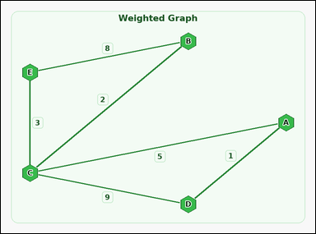 | 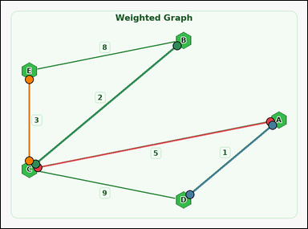 | task_graph_optimization_minimum_spanning_tree_weight | minimum_spanning_tree_weight | Use the image containing a labeled connected weighted graph. Answer this question: The weighted graph has a unique minimum spanning tree. What is its total weight? Return a valid JSON object with keys "evidence" and "answer" in that order. Evidence format: set "evidence" to an array of two-label arrays naming the endpoints of all edges in that minimum spanning tree. Answer requirement: set "answer" to the total weight of that minimum spanning tree as an integer. Example JSON: {"evidence":[["B","D"],["D","G"],["C","G"]],"answer":12} | Use the image containing a labeled connected weighted graph. Answer this question: The weighted graph has a unique minimum spanning tree. What is its total weight? Return a valid JSON object with key "answer". Answer requirement: set "answer" to the total weight of that minimum spanning tree as an integer. Example JSON: {"answer":12} | {"evidence": [["A", "C"], ["A", "D"], ["B", "C"], ["C", "E"]], "answer": 11} | [["A", "C"], ["A", "D"], ["B", "C"], ["C", "E"]] | integer | edge_set | 58628344541627 | graph/task_graph_optimization_minimum_spanning_tree_weight/images/default/0022.png | graph/task_graph_optimization_minimum_spanning_tree_weight/data/default/0022.json
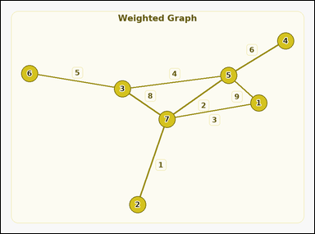 | 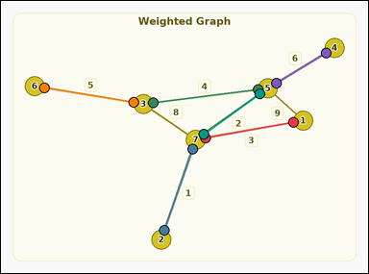 | task_graph_optimization_minimum_spanning_tree_weight | minimum_spanning_tree_weight | Work from the image with a labeled connected weighted graph. The weighted graph has a unique minimum spanning tree. What is its total weight? Return a valid JSON object with keys "evidence" and "answer" in that order. Evidence format: set "evidence" to an array of two-label arrays naming the endpoints of all edges in that minimum spanning tree. Answer requirement: set "answer" to the total weight of that minimum spanning tree as an integer. Example JSON: {"evidence":[["2","5"],["5","8"],["3","8"]],"answer":12} | Work from the image with a labeled connected weighted graph. The weighted graph has a unique minimum spanning tree. What is its total weight? Return a valid JSON object with key "answer". Answer format: set "answer" to the total weight of that minimum spanning tree as an integer. Example JSON: {"answer":12} | {"evidence": [["1", "7"], ["2", "7"], ["3", "5"], ["3", "6"], ["4", "5"], ["5", "7"]], "answer": 21} | [["1", "7"], ["2", "7"], ["3", "5"], ["3", "6"], ["4", "5"], ["5", "7"]] | integer | edge_set | 78630748475306 | graph/task_graph_optimization_minimum_spanning_tree_weight/images/default/0008.png | graph/task_graph_optimization_minimum_spanning_tree_weight/data/default/0008.json
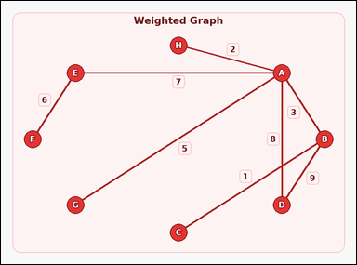 | 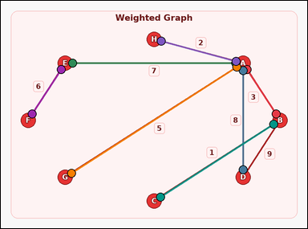 | task_graph_optimization_minimum_spanning_tree_weight | minimum_spanning_tree_weight | Use the image containing a labeled connected weighted graph. Task: The weighted graph has a unique minimum spanning tree. What is its total weight? Return a valid JSON object with keys "evidence" and "answer" in that order. Evidence requirement: set "evidence" to an array of two-label arrays naming the endpoints of all edges in that minimum spanning tree. Answer format: set "answer" to the total weight of that minimum spanning tree as an integer. Example JSON: {"evidence":[["B","D"],["D","G"],["C","G"]],"answer":12} | Use the image containing a labeled connected weighted graph. Task: The weighted graph has a unique minimum spanning tree. What is its total weight? Return a valid JSON object with key "answer". Answer: set "answer" to the total weight of that minimum spanning tree as an integer. Example JSON: {"answer":12} | {"evidence": [["A", "B"], ["A", "D"], ["A", "E"], ["A", "G"], ["A", "H"], ["B", "C"], ["E", "F"]], "answer": 32} | [["A", "B"], ["A", "D"], ["A", "E"], ["A", "G"], ["A", "H"], ["B", "C"], ["E", "F"]] | integer | edge_set | 325543918233441 | graph/task_graph_optimization_minimum_spanning_tree_weight/images/default/0023.png | graph/task_graph_optimization_minimum_spanning_tree_weight/data/default/0023.json
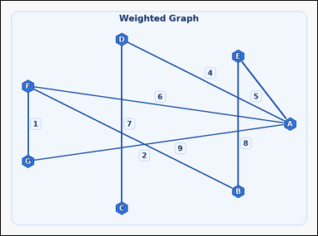 | 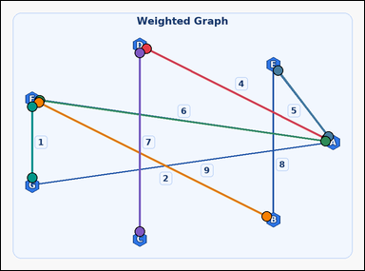 | task_graph_optimization_minimum_spanning_tree_weight | minimum_spanning_tree_weight | You are given an image with a labeled connected weighted graph. Task: The weighted graph has a unique minimum spanning tree. What is its total weight? Return a valid JSON object with keys "evidence" and "answer" in that order. Evidence format: set "evidence" to an array of two-label arrays naming the endpoints of all edges in that minimum spanning tree. Answer requirement: set "answer" to the total weight of that minimum spanning tree as an integer. Example JSON: {"evidence":[["B","D"],["D","G"],["C","G"]],"answer":12} | You are given an image with a labeled connected weighted graph. Task: The weighted graph has a unique minimum spanning tree. What is its total weight? Return a valid JSON object with key "answer". Answer rule: set "answer" to the total weight of that minimum spanning tree as an integer. Example JSON: {"answer":12} | {"evidence": [["A", "D"], ["A", "E"], ["A", "F"], ["B", "F"], ["C", "D"], ["F", "G"]], "answer": 25} | [["A", "D"], ["A", "E"], ["A", "F"], ["B", "F"], ["C", "D"], ["F", "G"]] | integer | edge_set | 331301274418656 | graph/task_graph_optimization_minimum_spanning_tree_weight/images/default/0017.png | graph/task_graph_optimization_minimum_spanning_tree_weight/data/default/0017.json
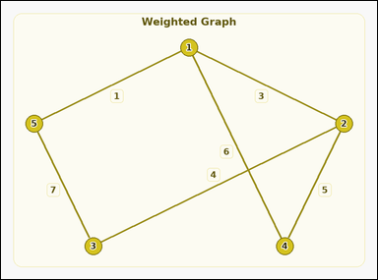 | 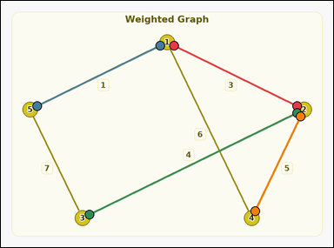 | task_graph_optimization_minimum_spanning_tree_weight | minimum_spanning_tree_weight | The image shows a labeled connected weighted graph. Answer this question: The weighted graph has a unique minimum spanning tree. What is its total weight? Return a valid JSON object with keys "evidence" and "answer" in that order. Evidence format: set "evidence" to an array of two-label arrays naming the endpoints of all edges in that minimum spanning tree. Answer requirement: set "answer" to the total weight of that minimum spanning tree as an integer. Example JSON: {"evidence":[["2","5"],["5","8"],["3","8"]],"answer":12} | The image shows a labeled connected weighted graph. Answer this question: The weighted graph has a unique minimum spanning tree. What is its total weight? Return a valid JSON object with key "answer". Answer: set "answer" to the total weight of that minimum spanning tree as an integer. Example JSON: {"answer":12} | {"evidence": [["1", "2"], ["1", "5"], ["2", "3"], ["2", "4"]], "answer": 13} | [["1", "2"], ["1", "5"], ["2", "3"], ["2", "4"]] | integer | edge_set | 1.0777260547E+15 | graph/task_graph_optimization_minimum_spanning_tree_weight/images/default/0016.png | graph/task_graph_optimization_minimum_spanning_tree_weight/data/default/0016.json
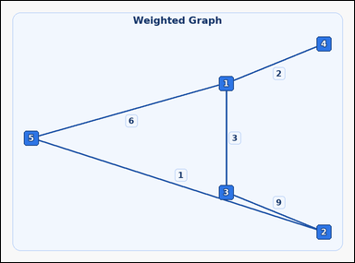 | 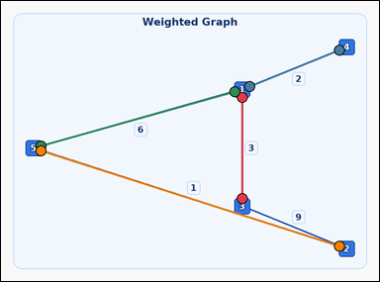 | task_graph_optimization_minimum_spanning_tree_weight | minimum_spanning_tree_weight | The image shows a labeled connected weighted graph. The weighted graph has a unique minimum spanning tree. What is its total weight? Return a valid JSON object with keys "evidence" and "answer" in that order. Evidence requirement: set "evidence" to an array of two-label arrays naming the endpoints of all edges in that minimum spanning tree. Answer format: set "answer" to the total weight of that minimum spanning tree as an integer. Example JSON: {"evidence":[["2","5"],["5","8"],["3","8"]],"answer":12} | The image shows a labeled connected weighted graph. The weighted graph has a unique minimum spanning tree. What is its total weight? Return a valid JSON object with key "answer". Answer: set "answer" to the total weight of that minimum spanning tree as an integer. Example JSON: {"answer":12} | {"evidence": [["1", "3"], ["1", "4"], ["1", "5"], ["2", "5"]], "answer": 12} | [["1", "3"], ["1", "4"], ["1", "5"], ["2", "5"]] | integer | edge_set | 1.7833906087E+15 | graph/task_graph_optimization_minimum_spanning_tree_weight/images/default/0024.png | graph/task_graph_optimization_minimum_spanning_tree_weight/data/default/0024.json
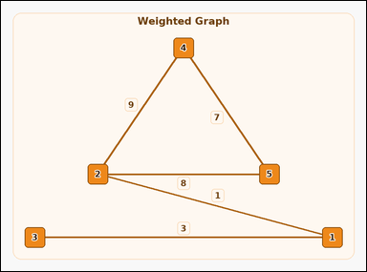 | 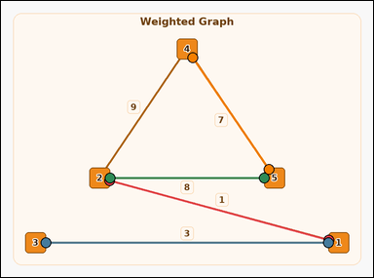 | task_graph_optimization_minimum_spanning_tree_weight | minimum_spanning_tree_weight | Work from the image with a labeled connected weighted graph. Answer this question: The weighted graph has a unique minimum spanning tree. What is its total weight? Return a valid JSON object with keys "evidence" and "answer" in that order. Evidence: set "evidence" to an array of two-label arrays naming the endpoints of all edges in that minimum spanning tree. Answer: set "answer" to the total weight of that minimum spanning tree as an integer. Example JSON: {"evidence":[["2","5"],["5","8"],["3","8"]],"answer":12} | Work from the image with a labeled connected weighted graph. Answer this question: The weighted graph has a unique minimum spanning tree. What is its total weight? Return a valid JSON object with key "answer". Answer requirement: set "answer" to the total weight of that minimum spanning tree as an integer. Example JSON: {"answer":12} | {"evidence": [["1", "2"], ["1", "3"], ["2", "5"], ["4", "5"]], "answer": 19} | [["1", "2"], ["1", "3"], ["2", "5"], ["4", "5"]] | integer | edge_set | 1.8257454214E+15 | graph/task_graph_optimization_minimum_spanning_tree_weight/images/default/0001.png | graph/task_graph_optimization_minimum_spanning_tree_weight/data/default/0001.json
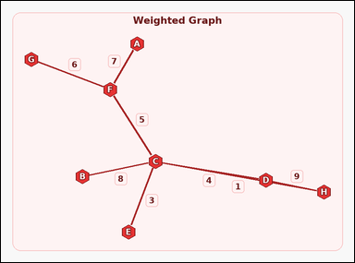 | 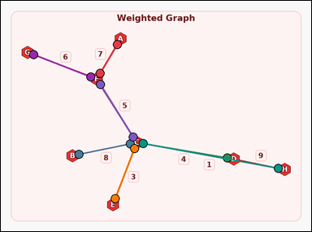 | task_graph_optimization_minimum_spanning_tree_weight | minimum_spanning_tree_weight | Work from the image with a labeled connected weighted graph. Task: The weighted graph has a unique minimum spanning tree. What is its total weight? Return a valid JSON object with keys "evidence" and "answer" in that order. Evidence rule: set "evidence" to an array of two-label arrays naming the endpoints of all edges in that minimum spanning tree. Answer rule: set "answer" to the total weight of that minimum spanning tree as an integer. Example JSON: {"evidence":[["B","D"],["D","G"],["C","G"]],"answer":12} | Work from the image with a labeled connected weighted graph. Task: The weighted graph has a unique minimum spanning tree. What is its total weight? Return a valid JSON object with key "answer". Answer requirement: set "answer" to the total weight of that minimum spanning tree as an integer. Example JSON: {"answer":12} | {"evidence": [["A", "F"], ["B", "C"], ["C", "D"], ["C", "E"], ["C", "F"], ["C", "H"], ["F", "G"]], "answer": 34} | [["A", "F"], ["B", "C"], ["C", "D"], ["C", "E"], ["C", "F"], ["C", "H"], ["F", "G"]] | integer | edge_set | 1.8452787903E+15 | graph/task_graph_optimization_minimum_spanning_tree_weight/images/default/0015.png | graph/task_graph_optimization_minimum_spanning_tree_weight/data/default/0015.json
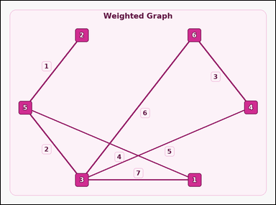 | 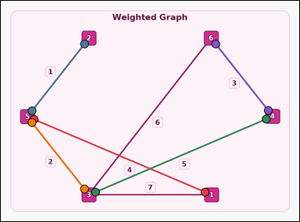 | task_graph_optimization_minimum_spanning_tree_weight | minimum_spanning_tree_weight | You are given an image with a labeled connected weighted graph. Task: The weighted graph has a unique minimum spanning tree. What is its total weight? Return a valid JSON object with keys "evidence" and "answer" in that order. Evidence field: set "evidence" to an array of two-label arrays naming the endpoints of all edges in that minimum spanning tree. Answer field: set "answer" to the total weight of that minimum spanning tree as an integer. Example JSON: {"evidence":[["2","5"],["5","8"],["3","8"]],"answer":12} | You are given an image with a labeled connected weighted graph. Task: The weighted graph has a unique minimum spanning tree. What is its total weight? Return a valid JSON object with key "answer". Answer requirement: set "answer" to the total weight of that minimum spanning tree as an integer. Example JSON: {"answer":12} | {"evidence": [["1", "5"], ["2", "5"], ["3", "4"], ["3", "5"], ["4", "6"]], "answer": 15} | [["1", "5"], ["2", "5"], ["3", "4"], ["3", "5"], ["4", "6"]] | integer | edge_set | 2.0093197495E+15 | graph/task_graph_optimization_minimum_spanning_tree_weight/images/default/0019.png | graph/task_graph_optimization_minimum_spanning_tree_weight/data/default/0019.json
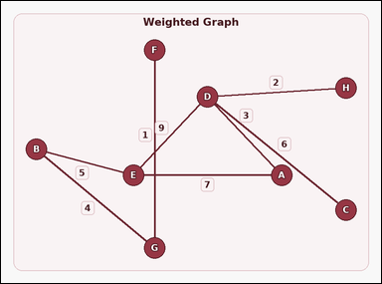 | 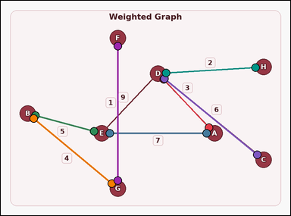 | task_graph_optimization_minimum_spanning_tree_weight | minimum_spanning_tree_weight | Work from the image with a labeled connected weighted graph. Answer this question: The weighted graph has a unique minimum spanning tree. What is its total weight? Return a valid JSON object with keys "evidence" and "answer" in that order. Evidence requirement: set "evidence" to an array of two-label arrays naming the endpoints of all edges in that minimum spanning tree. Answer format: set "answer" to the total weight of that minimum spanning tree as an integer. Example JSON: {"evidence":[["B","D"],["D","G"],["C","G"]],"answer":12} | Work from the image with a labeled connected weighted graph. Answer this question: The weighted graph has a unique minimum spanning tree. What is its total weight? Return a valid JSON object with key "answer". Answer field: set "answer" to the total weight of that minimum spanning tree as an integer. Example JSON: {"answer":12} | {"evidence": [["A", "D"], ["A", "E"], ["B", "E"], ["B", "G"], ["C", "D"], ["D", "H"], ["F", "G"]], "answer": 28} | [["A", "D"], ["A", "E"], ["B", "E"], ["B", "G"], ["C", "D"], ["D", "H"], ["F", "G"]] | integer | edge_set | 2.5976844381E+15 | graph/task_graph_optimization_minimum_spanning_tree_weight/images/default/0003.png | graph/task_graph_optimization_minimum_spanning_tree_weight/data/default/0003.json
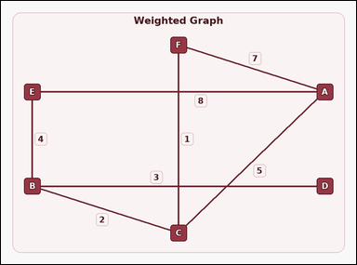 | 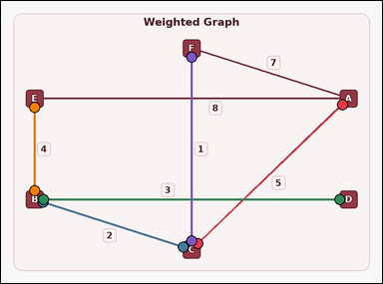 | task_graph_optimization_minimum_spanning_tree_weight | minimum_spanning_tree_weight | Look at the image with a labeled connected weighted graph. Question: The weighted graph has a unique minimum spanning tree. What is its total weight? Return a valid JSON object with keys "evidence" and "answer" in that order. Evidence rule: set "evidence" to an array of two-label arrays naming the endpoints of all edges in that minimum spanning tree. Answer rule: set "answer" to the total weight of that minimum spanning tree as an integer. Example JSON: {"evidence":[["B","D"],["D","G"],["C","G"]],"answer":12} | Look at the image with a labeled connected weighted graph. Question: The weighted graph has a unique minimum spanning tree. What is its total weight? Return a valid JSON object with key "answer". Answer field: set "answer" to the total weight of that minimum spanning tree as an integer. Example JSON: {"answer":12} | {"evidence": [["A", "C"], ["B", "C"], ["B", "D"], ["B", "E"], ["C", "F"]], "answer": 15} | [["A", "C"], ["B", "C"], ["B", "D"], ["B", "E"], ["C", "F"]] | integer | edge_set | 3.0496351365E+15 | graph/task_graph_optimization_minimum_spanning_tree_weight/images/default/0007.png | graph/task_graph_optimization_minimum_spanning_tree_weight/data/default/0007.json
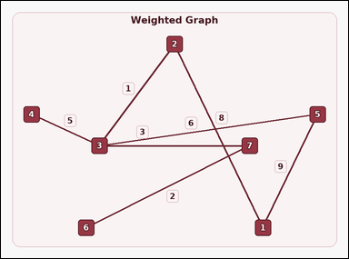 | 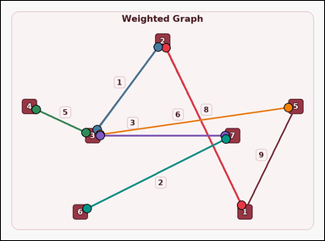 | task_graph_optimization_minimum_spanning_tree_weight | minimum_spanning_tree_weight | Use the image containing a labeled connected weighted graph. Task: The weighted graph has a unique minimum spanning tree. What is its total weight? Return a valid JSON object with keys "evidence" and "answer" in that order. Evidence requirement: set "evidence" to an array of two-label arrays naming the endpoints of all edges in that minimum spanning tree. Answer format: set "answer" to the total weight of that minimum spanning tree as an integer. Example JSON: {"evidence":[["2","5"],["5","8"],["3","8"]],"answer":12} | Use the image containing a labeled connected weighted graph. Task: The weighted graph has a unique minimum spanning tree. What is its total weight? Return a valid JSON object with key "answer". Answer: set "answer" to the total weight of that minimum spanning tree as an integer. Example JSON: {"answer":12} | {"evidence": [["1", "2"], ["2", "3"], ["3", "4"], ["3", "5"], ["3", "7"], ["6", "7"]], "answer": 25} | [["1", "2"], ["2", "3"], ["3", "4"], ["3", "5"], ["3", "7"], ["6", "7"]] | integer | edge_set | 3.4211715584E+15 | graph/task_graph_optimization_minimum_spanning_tree_weight/images/default/0002.png | graph/task_graph_optimization_minimum_spanning_tree_weight/data/default/0002.json
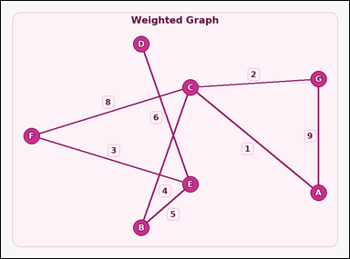 | 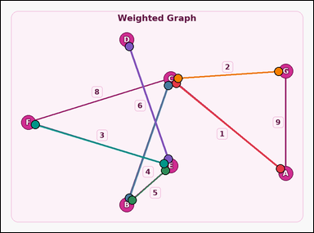 | task_graph_optimization_minimum_spanning_tree_weight | minimum_spanning_tree_weight | You are given an image with a labeled connected weighted graph. Answer this question: The weighted graph has a unique minimum spanning tree. What is its total weight? Return a valid JSON object with keys "evidence" and "answer" in that order. Evidence format: set "evidence" to an array of two-label arrays naming the endpoints of all edges in that minimum spanning tree. Answer requirement: set "answer" to the total weight of that minimum spanning tree as an integer. Example JSON: {"evidence":[["B","D"],["D","G"],["C","G"]],"answer":12} | You are given an image with a labeled connected weighted graph. Answer this question: The weighted graph has a unique minimum spanning tree. What is its total weight? Return a valid JSON object with key "answer". Answer format: set "answer" to the total weight of that minimum spanning tree as an integer. Example JSON: {"answer":12} | {"evidence": [["A", "C"], ["B", "C"], ["B", "E"], ["C", "G"], ["D", "E"], ["E", "F"]], "answer": 21} | [["A", "C"], ["B", "C"], ["B", "E"], ["C", "G"], ["D", "E"], ["E", "F"]] | integer | edge_set | 3.6352030922E+15 | graph/task_graph_optimization_minimum_spanning_tree_weight/images/default/0014.png | graph/task_graph_optimization_minimum_spanning_tree_weight/data/default/0014.json
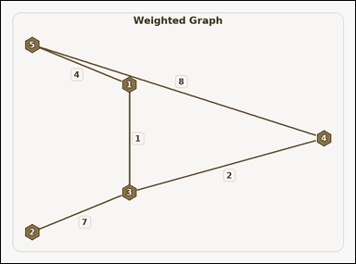 | 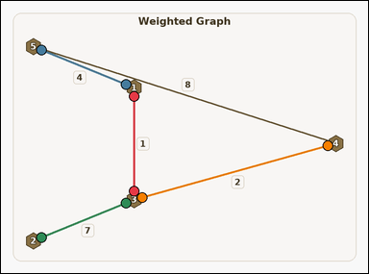 | task_graph_optimization_minimum_spanning_tree_weight | minimum_spanning_tree_weight | Use the image containing a labeled connected weighted graph. The weighted graph has a unique minimum spanning tree. What is its total weight? Return a valid JSON object with keys "evidence" and "answer" in that order. Evidence requirement: set "evidence" to an array of two-label arrays naming the endpoints of all edges in that minimum spanning tree. Answer format: set "answer" to the total weight of that minimum spanning tree as an integer. Example JSON: {"evidence":[["2","5"],["5","8"],["3","8"]],"answer":12} | Use the image containing a labeled connected weighted graph. The weighted graph has a unique minimum spanning tree. What is its total weight? Return a valid JSON object with key "answer". Answer: set "answer" to the total weight of that minimum spanning tree as an integer. Example JSON: {"answer":12} | {"evidence": [["1", "3"], ["1", "5"], ["2", "3"], ["3", "4"]], "answer": 14} | [["1", "3"], ["1", "5"], ["2", "3"], ["3", "4"]] | integer | edge_set | 3.6507261208E+15 | graph/task_graph_optimization_minimum_spanning_tree_weight/images/default/0013.png | graph/task_graph_optimization_minimum_spanning_tree_weight/data/default/0013.json
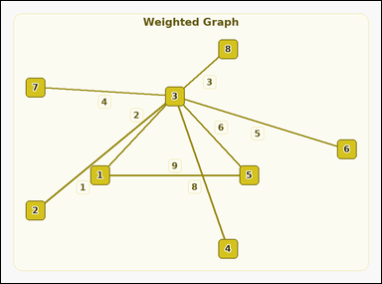 | 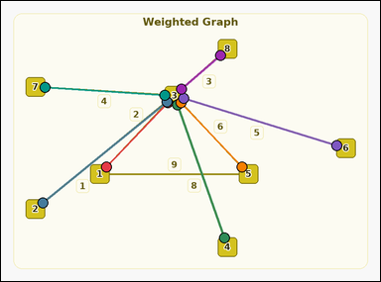 | task_graph_optimization_minimum_spanning_tree_weight | minimum_spanning_tree_weight | You are given an image with a labeled connected weighted graph. Task: The weighted graph has a unique minimum spanning tree. What is its total weight? Return a valid JSON object with keys "evidence" and "answer" in that order. Evidence: set "evidence" to an array of two-label arrays naming the endpoints of all edges in that minimum spanning tree. Answer: set "answer" to the total weight of that minimum spanning tree as an integer. Example JSON: {"evidence":[["2","5"],["5","8"],["3","8"]],"answer":12} | You are given an image with a labeled connected weighted graph. Task: The weighted graph has a unique minimum spanning tree. What is its total weight? Return a valid JSON object with key "answer". Answer field: set "answer" to the total weight of that minimum spanning tree as an integer. Example JSON: {"answer":12} | {"evidence": [["1", "3"], ["2", "3"], ["3", "4"], ["3", "5"], ["3", "6"], ["3", "7"], ["3", "8"]], "answer": 29} | [["1", "3"], ["2", "3"], ["3", "4"], ["3", "5"], ["3", "6"], ["3", "7"], ["3", "8"]] | integer | edge_set | 4.0987672693E+15 | graph/task_graph_optimization_minimum_spanning_tree_weight/images/default/0004.png | graph/task_graph_optimization_minimum_spanning_tree_weight/data/default/0004.json
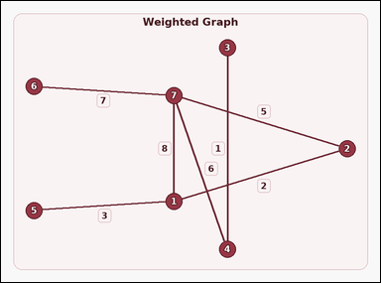 | 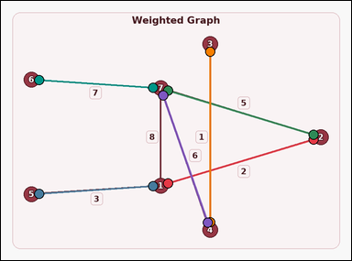 | task_graph_optimization_minimum_spanning_tree_weight | minimum_spanning_tree_weight | Look at the image with a labeled connected weighted graph. Task: The weighted graph has a unique minimum spanning tree. What is its total weight? Return a valid JSON object with keys "evidence" and "answer" in that order. Evidence field: set "evidence" to an array of two-label arrays naming the endpoints of all edges in that minimum spanning tree. Answer field: set "answer" to the total weight of that minimum spanning tree as an integer. Example JSON: {"evidence":[["2","5"],["5","8"],["3","8"]],"answer":12} | Look at the image with a labeled connected weighted graph. Task: The weighted graph has a unique minimum spanning tree. What is its total weight? Return a valid JSON object with key "answer". Answer: set "answer" to the total weight of that minimum spanning tree as an integer. Example JSON: {"answer":12} | {"evidence": [["1", "2"], ["1", "5"], ["2", "7"], ["3", "4"], ["4", "7"], ["6", "7"]], "answer": 24} | [["1", "2"], ["1", "5"], ["2", "7"], ["3", "4"], ["4", "7"], ["6", "7"]] | integer | edge_set | 4.59344761E+15 | graph/task_graph_optimization_minimum_spanning_tree_weight/images/default/0011.png | graph/task_graph_optimization_minimum_spanning_tree_weight/data/default/0011.json
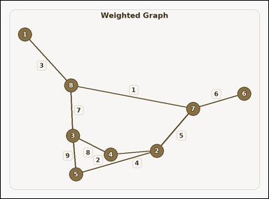 | 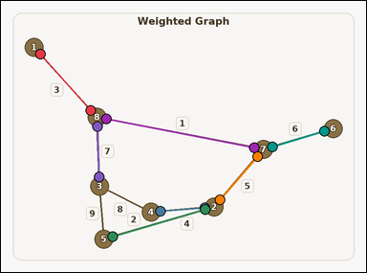 | task_graph_optimization_minimum_spanning_tree_weight | minimum_spanning_tree_weight | You are given an image with a labeled connected weighted graph. Question: The weighted graph has a unique minimum spanning tree. What is its total weight? Return a valid JSON object with keys "evidence" and "answer" in that order. Evidence format: set "evidence" to an array of two-label arrays naming the endpoints of all edges in that minimum spanning tree. Answer requirement: set "answer" to the total weight of that minimum spanning tree as an integer. Example JSON: {"evidence":[["2","5"],["5","8"],["3","8"]],"answer":12} | You are given an image with a labeled connected weighted graph. Question: The weighted graph has a unique minimum spanning tree. What is its total weight? Return a valid JSON object with key "answer". Answer: set "answer" to the total weight of that minimum spanning tree as an integer. Example JSON: {"answer":12} | {"evidence": [["1", "8"], ["2", "4"], ["2", "5"], ["2", "7"], ["3", "8"], ["6", "7"], ["7", "8"]], "answer": 28} | [["1", "8"], ["2", "4"], ["2", "5"], ["2", "7"], ["3", "8"], ["6", "7"], ["7", "8"]] | integer | edge_set | 4.8731867527E+15 | graph/task_graph_optimization_minimum_spanning_tree_weight/images/default/0006.png | graph/task_graph_optimization_minimum_spanning_tree_weight/data/default/0006.json
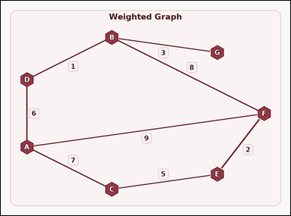 | 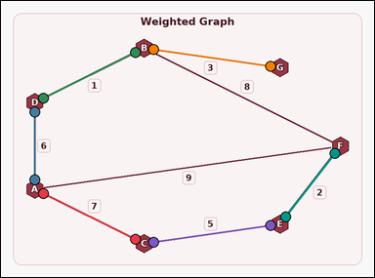 | task_graph_optimization_minimum_spanning_tree_weight | minimum_spanning_tree_weight | Use the image containing a labeled connected weighted graph. Question: The weighted graph has a unique minimum spanning tree. What is its total weight? Return a valid JSON object with keys "evidence" and "answer" in that order. Evidence rule: set "evidence" to an array of two-label arrays naming the endpoints of all edges in that minimum spanning tree. Answer rule: set "answer" to the total weight of that minimum spanning tree as an integer. Example JSON: {"evidence":[["B","D"],["D","G"],["C","G"]],"answer":12} | Use the image containing a labeled connected weighted graph. Question: The weighted graph has a unique minimum spanning tree. What is its total weight? Return a valid JSON object with key "answer". Answer format: set "answer" to the total weight of that minimum spanning tree as an integer. Example JSON: {"answer":12} | {"evidence": [["A", "C"], ["A", "D"], ["B", "D"], ["B", "G"], ["C", "E"], ["E", "F"]], "answer": 24} | [["A", "C"], ["A", "D"], ["B", "D"], ["B", "G"], ["C", "E"], ["E", "F"]] | integer | edge_set | 5.2819835281E+15 | graph/task_graph_optimization_minimum_spanning_tree_weight/images/default/0012.png | graph/task_graph_optimization_minimum_spanning_tree_weight/data/default/0012.json
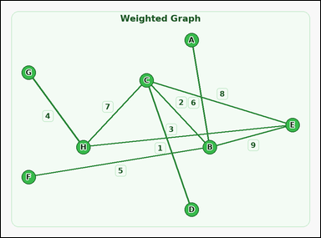 | 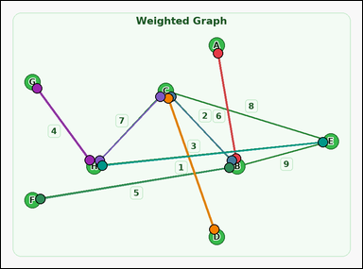 | task_graph_optimization_minimum_spanning_tree_weight | minimum_spanning_tree_weight | You are given an image with a labeled connected weighted graph. Question: The weighted graph has a unique minimum spanning tree. What is its total weight? Return a valid JSON object with keys "evidence" and "answer" in that order. Evidence field: set "evidence" to an array of two-label arrays naming the endpoints of all edges in that minimum spanning tree. Answer field: set "answer" to the total weight of that minimum spanning tree as an integer. Example JSON: {"evidence":[["B","D"],["D","G"],["C","G"]],"answer":12} | You are given an image with a labeled connected weighted graph. Question: The weighted graph has a unique minimum spanning tree. What is its total weight? Return a valid JSON object with key "answer". Answer format: set "answer" to the total weight of that minimum spanning tree as an integer. Example JSON: {"answer":12} | {"evidence": [["A", "B"], ["B", "C"], ["B", "F"], ["C", "D"], ["C", "H"], ["E", "H"], ["G", "H"]], "answer": 28} | [["A", "B"], ["B", "C"], ["B", "F"], ["C", "D"], ["C", "H"], ["E", "H"], ["G", "H"]] | integer | edge_set | 5.7106767424E+15 | graph/task_graph_optimization_minimum_spanning_tree_weight/images/default/0018.png | graph/task_graph_optimization_minimum_spanning_tree_weight/data/default/0018.json
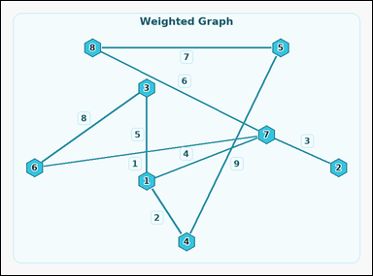 | 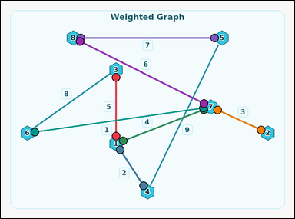 | task_graph_optimization_minimum_spanning_tree_weight | minimum_spanning_tree_weight | Use the image containing a labeled connected weighted graph. Task: The weighted graph has a unique minimum spanning tree. What is its total weight? Return a valid JSON object with keys "evidence" and "answer" in that order. Evidence rule: set "evidence" to an array of two-label arrays naming the endpoints of all edges in that minimum spanning tree. Answer rule: set "answer" to the total weight of that minimum spanning tree as an integer. Example JSON: {"evidence":[["2","5"],["5","8"],["3","8"]],"answer":12} | Use the image containing a labeled connected weighted graph. Task: The weighted graph has a unique minimum spanning tree. What is its total weight? Return a valid JSON object with key "answer". Answer requirement: set "answer" to the total weight of that minimum spanning tree as an integer. Example JSON: {"answer":12} | {"evidence": [["1", "3"], ["1", "4"], ["1", "7"], ["2", "7"], ["5", "8"], ["6", "7"], ["7", "8"]], "answer": 28} | [["1", "3"], ["1", "4"], ["1", "7"], ["2", "7"], ["5", "8"], ["6", "7"], ["7", "8"]] | integer | edge_set | 6.2005975999E+15 | graph/task_graph_optimization_minimum_spanning_tree_weight/images/default/0021.png | graph/task_graph_optimization_minimum_spanning_tree_weight/data/default/0021.json
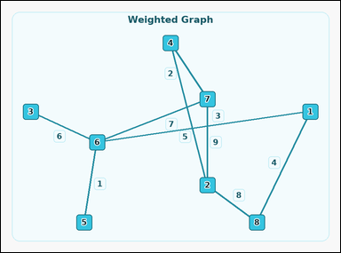 | 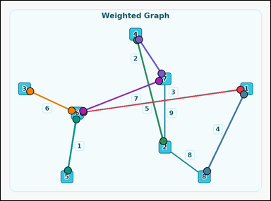 | task_graph_optimization_minimum_spanning_tree_weight | minimum_spanning_tree_weight | Look at the image with a labeled connected weighted graph. Task: The weighted graph has a unique minimum spanning tree. What is its total weight? Return a valid JSON object with keys "evidence" and "answer" in that order. Evidence: set "evidence" to an array of two-label arrays naming the endpoints of all edges in that minimum spanning tree. Answer: set "answer" to the total weight of that minimum spanning tree as an integer. Example JSON: {"evidence":[["2","5"],["5","8"],["3","8"]],"answer":12} | Look at the image with a labeled connected weighted graph. Task: The weighted graph has a unique minimum spanning tree. What is its total weight? Return a valid JSON object with key "answer". Answer rule: set "answer" to the total weight of that minimum spanning tree as an integer. Example JSON: {"answer":12} | {"evidence": [["1", "6"], ["1", "8"], ["2", "4"], ["3", "6"], ["4", "7"], ["5", "6"], ["6", "7"]], "answer": 28} | [["1", "6"], ["1", "8"], ["2", "4"], ["3", "6"], ["4", "7"], ["5", "6"], ["6", "7"]] | integer | edge_set | 6.5159761562E+15 | graph/task_graph_optimization_minimum_spanning_tree_weight/images/default/0010.png | graph/task_graph_optimization_minimum_spanning_tree_weight/data/default/0010.json
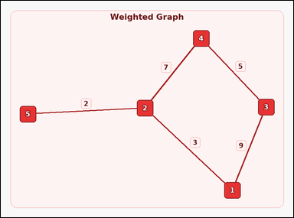 | 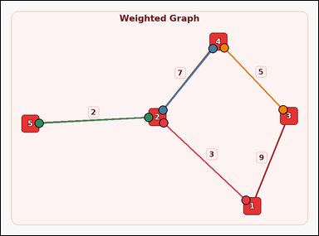 | task_graph_optimization_minimum_spanning_tree_weight | minimum_spanning_tree_weight | The image shows a labeled connected weighted graph. Determine the answer: The weighted graph has a unique minimum spanning tree. What is its total weight? Return a valid JSON object with keys "evidence" and "answer" in that order. Evidence requirement: set "evidence" to an array of two-label arrays naming the endpoints of all edges in that minimum spanning tree. Answer format: set "answer" to the total weight of that minimum spanning tree as an integer. Example JSON: {"evidence":[["2","5"],["5","8"],["3","8"]],"answer":12} | The image shows a labeled connected weighted graph. Determine the answer: The weighted graph has a unique minimum spanning tree. What is its total weight? Return a valid JSON object with key "answer". Answer rule: set "answer" to the total weight of that minimum spanning tree as an integer. Example JSON: {"answer":12} | {"evidence": [["1", "2"], ["2", "4"], ["2", "5"], ["3", "4"]], "answer": 17} | [["1", "2"], ["2", "4"], ["2", "5"], ["3", "4"]] | integer | edge_set | 6.7779420789E+15 | graph/task_graph_optimization_minimum_spanning_tree_weight/images/default/0020.png | graph/task_graph_optimization_minimum_spanning_tree_weight/data/default/0020.json
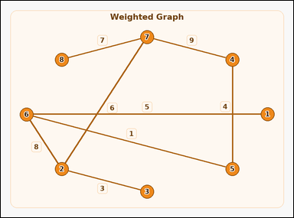 | 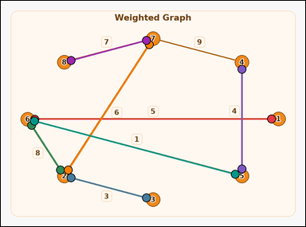 | task_graph_optimization_minimum_spanning_tree_weight | minimum_spanning_tree_weight | Look at the image with a labeled connected weighted graph. The weighted graph has a unique minimum spanning tree. What is its total weight? Return a valid JSON object with keys "evidence" and "answer" in that order. Evidence: set "evidence" to an array of two-label arrays naming the endpoints of all edges in that minimum spanning tree. Answer: set "answer" to the total weight of that minimum spanning tree as an integer. Example JSON: {"evidence":[["2","5"],["5","8"],["3","8"]],"answer":12} | Look at the image with a labeled connected weighted graph. The weighted graph has a unique minimum spanning tree. What is its total weight? Return a valid JSON object with key "answer". Answer: set "answer" to the total weight of that minimum spanning tree as an integer. Example JSON: {"answer":12} | {"evidence": [["1", "6"], ["2", "3"], ["2", "6"], ["2", "7"], ["4", "5"], ["5", "6"], ["7", "8"]], "answer": 34} | [["1", "6"], ["2", "3"], ["2", "6"], ["2", "7"], ["4", "5"], ["5", "6"], ["7", "8"]] | integer | edge_set | 7.2888967582E+15 | graph/task_graph_optimization_minimum_spanning_tree_weight/images/default/0000.png | graph/task_graph_optimization_minimum_spanning_tree_weight/data/default/0000.json
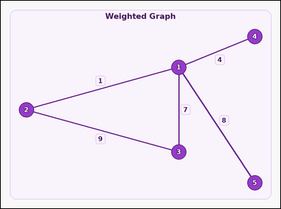 | 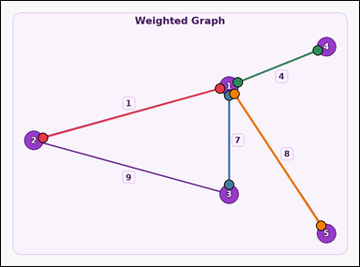 | task_graph_optimization_minimum_spanning_tree_weight | minimum_spanning_tree_weight | You are given an image with a labeled connected weighted graph. Answer this question: The weighted graph has a unique minimum spanning tree. What is its total weight? Return a valid JSON object with keys "evidence" and "answer" in that order. Evidence field: set "evidence" to an array of two-label arrays naming the endpoints of all edges in that minimum spanning tree. Answer field: set "answer" to the total weight of that minimum spanning tree as an integer. Example JSON: {"evidence":[["2","5"],["5","8"],["3","8"]],"answer":12} | You are given an image with a labeled connected weighted graph. Answer this question: The weighted graph has a unique minimum spanning tree. What is its total weight? Return a valid JSON object with key "answer". Answer requirement: set "answer" to the total weight of that minimum spanning tree as an integer. Example JSON: {"answer":12} | {"evidence": [["1", "2"], ["1", "3"], ["1", "4"], ["1", "5"]], "answer": 20} | [["1", "2"], ["1", "3"], ["1", "4"], ["1", "5"]] | integer | edge_set | 7.570085792E+15 | graph/task_graph_optimization_minimum_spanning_tree_weight/images/default/0005.png | graph/task_graph_optimization_minimum_spanning_tree_weight/data/default/0005.json
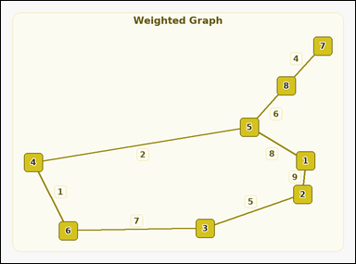 | 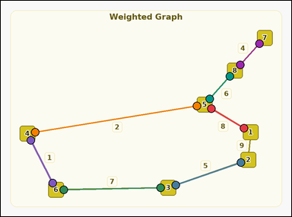 | task_graph_optimization_minimum_spanning_tree_weight | minimum_spanning_tree_weight | The image shows a labeled connected weighted graph. Task: The weighted graph has a unique minimum spanning tree. What is its total weight? Return a valid JSON object with keys "evidence" and "answer" in that order. Evidence: set "evidence" to an array of two-label arrays naming the endpoints of all edges in that minimum spanning tree. Answer: set "answer" to the total weight of that minimum spanning tree as an integer. Example JSON: {"evidence":[["2","5"],["5","8"],["3","8"]],"answer":12} | The image shows a labeled connected weighted graph. Task: The weighted graph has a unique minimum spanning tree. What is its total weight? Return a valid JSON object with key "answer". Answer field: set "answer" to the total weight of that minimum spanning tree as an integer. Example JSON: {"answer":12} | {"evidence": [["1", "5"], ["2", "3"], ["3", "6"], ["4", "5"], ["4", "6"], ["5", "8"], ["7", "8"]], "answer": 33} | [["1", "5"], ["2", "3"], ["3", "6"], ["4", "5"], ["4", "6"], ["5", "8"], ["7", "8"]] | integer | edge_set | 8.4466839396E+15 | graph/task_graph_optimization_minimum_spanning_tree_weight/images/default/0009.png | graph/task_graph_optimization_minimum_spanning_tree_weight/data/default/0009.json

