cube_removal_count
image | evidence_image | task | task_variant | prompt | prompt_answer_only | answer | answer_evidence | answer_type | evidence_type | instance_seed | image_path | data_path
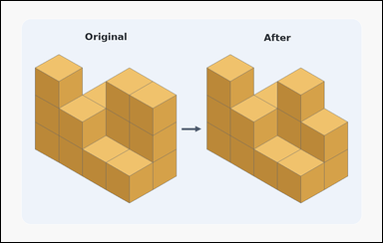 | 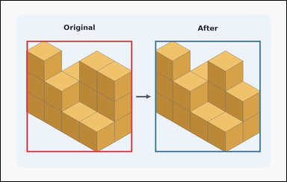 | task_puzzles_spatial_cube_removal_count | cube_removal_count | The image shows a block-comparison puzzle with the original block on the left and the remaining block on the right. Use the two shown block structures to determine how many cubes were removed from the original block. Respond with the removed cube count as an integer. Return a valid JSON object with keys "evidence" and "answer" in that order. Evidence format: set "evidence" to an array containing exactly two bounding boxes [x1, y1, x2, y2], first for the original block on the left and second for the remaining block on the right. Answer requirement: set "answer" to the exact number of cubes removed as an integer. Example JSON: {"evidence":[[132,175,459,656],[750,207,1080,656]],"answer":4} | The image shows a block-comparison puzzle with the original block on the left and the remaining block on the right. Use the two shown block structures to determine how many cubes were removed from the original block. Respond with the removed cube count as an integer. Return a valid JSON object with key "answer". Answer rule: set "answer" to the exact number of cubes removed as an integer. Example JSON: {"answer":4} | {"evidence": [[108.0, 168.018, 552.0, 637.982], [648.0, 168.018, 1092.0, 637.982]], "answer": 1} | [[108.0, 168.018, 552.0, 637.982], [648.0, 168.018, 1092.0, 637.982]] | integer | bbox_set | 644252102983187 | puzzles/task_puzzles_spatial_cube_removal_count/images/default/0010.png | puzzles/task_puzzles_spatial_cube_removal_count/data/default/0010.json
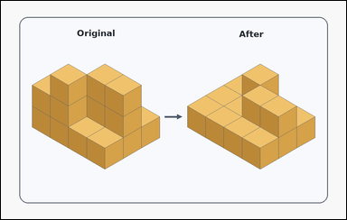 | 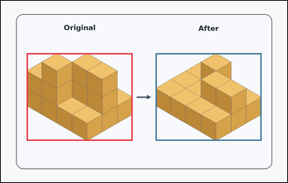 | task_puzzles_spatial_cube_removal_count | cube_removal_count | Work from the two shown block structures in the image: a card-style block-comparison puzzle with the original block on the left and the remaining block on the right. The right block is formed by removing cubes from the left block. How many cubes were removed? Return the number of cubes removed as an integer. Return a valid JSON object with keys "evidence" and "answer" in that order. Evidence rule: set "evidence" to an array containing exactly two bounding boxes [x1, y1, x2, y2], first for the original block on the left and second for the remaining block on the right. Answer rule: set "answer" to the exact number of cubes removed as an integer. Example JSON: {"evidence":[[132,175,459,656],[750,207,1080,656]],"answer":4} | Work from the two shown block structures in the image: a card-style block-comparison puzzle with the original block on the left and the remaining block on the right. The right block is formed by removing cubes from the left block. How many cubes were removed? Return the number of cubes removed as an integer. Return a valid JSON object with key "answer". Answer format: set "answer" to the exact number of cubes removed as an integer. Example JSON: {"answer":4} | {"evidence": [[108.0, 219.897, 552.0, 586.103], [648.0, 219.897, 1092.0, 586.103]], "answer": 6} | [[108.0, 219.897, 552.0, 586.103], [648.0, 219.897, 1092.0, 586.103]] | integer | bbox_set | 889373226602983 | puzzles/task_puzzles_spatial_cube_removal_count/images/default/0006.png | puzzles/task_puzzles_spatial_cube_removal_count/data/default/0006.json
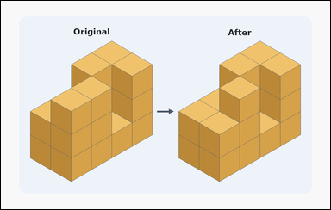 | 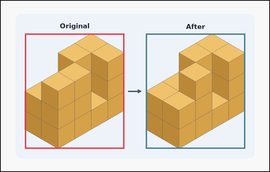 | task_puzzles_spatial_cube_removal_count | cube_removal_count | Work from the two shown block structures in the image: a block-comparison puzzle with the original block on the left and the remaining block on the right. The right block is formed by removing cubes from the left block. How many cubes were removed? Provide the number of cubes taken away as an integer. Return a valid JSON object with keys "evidence" and "answer" in that order. Evidence rule: set "evidence" to an array containing exactly two bounding boxes [x1, y1, x2, y2], first for the original block on the left and second for the remaining block on the right. Answer rule: set "answer" to the exact number of cubes removed as an integer. Example JSON: {"evidence":[[132,175,459,656],[750,207,1080,656]],"answer":4} | Work from the two shown block structures in the image: a block-comparison puzzle with the original block on the left and the remaining block on the right. The right block is formed by removing cubes from the left block. How many cubes were removed? Provide the number of cubes taken away as an integer. Return a valid JSON object with key "answer". Answer: set "answer" to the exact number of cubes removed as an integer. Example JSON: {"answer":4} | {"evidence": [[108.0, 146.656, 552.0, 659.344], [648.0, 146.656, 1092.0, 659.344]], "answer": 1} | [[108.0, 146.656, 552.0, 659.344], [648.0, 146.656, 1092.0, 659.344]] | integer | bbox_set | 1.3589117697E+15 | puzzles/task_puzzles_spatial_cube_removal_count/images/default/0018.png | puzzles/task_puzzles_spatial_cube_removal_count/data/default/0018.json
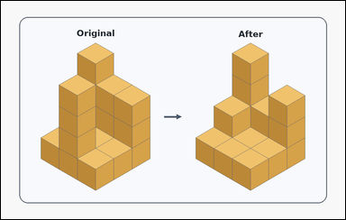 | 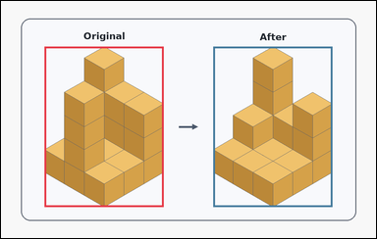 | task_puzzles_spatial_cube_removal_count | cube_removal_count | Look at the block-comparison puzzle in the image: a card-style block-comparison puzzle with the original block on the left and the remaining block on the right. How many cubes have been taken away to turn the left block into the right block? Give the exact removed cube count as an integer. Return a valid JSON object with keys "evidence" and "answer" in that order. Evidence format: set "evidence" to an array containing exactly two bounding boxes [x1, y1, x2, y2], first for the original block on the left and second for the remaining block on the right. Answer requirement: set "answer" to the exact number of cubes removed as an integer. Example JSON: {"evidence":[[132,175,459,656],[750,207,1080,656]],"answer":4} | Look at the block-comparison puzzle in the image: a card-style block-comparison puzzle with the original block on the left and the remaining block on the right. How many cubes have been taken away to turn the left block into the right block? Give the exact removed cube count as an integer. Return a valid JSON object with key "answer". Answer requirement: set "answer" to the exact number of cubes removed as an integer. Example JSON: {"answer":4} | {"evidence": [[139.227, 146.0, 520.773, 660.0], [679.227, 146.0, 1060.773, 660.0]], "answer": 4} | [[139.227, 146.0, 520.773, 660.0], [679.227, 146.0, 1060.773, 660.0]] | integer | bbox_set | 1.4688140384E+15 | puzzles/task_puzzles_spatial_cube_removal_count/images/default/0015.png | puzzles/task_puzzles_spatial_cube_removal_count/data/default/0015.json
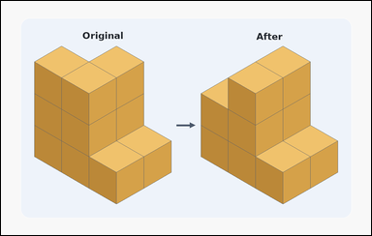 | 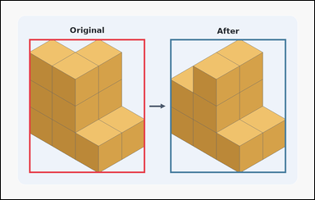 | task_puzzles_spatial_cube_removal_count | cube_removal_count | You are given a block-comparison puzzle with the original block on the left and the remaining block on the right. The left structure is the original block and the right structure is the block after some cubes were taken away. How many cubes were removed? Give the exact removed cube count as an integer. Return a valid JSON object with keys "evidence" and "answer" in that order. Evidence format: set "evidence" to an array containing exactly two bounding boxes [x1, y1, x2, y2], first for the original block on the left and second for the remaining block on the right. Answer requirement: set "answer" to the exact number of cubes removed as an integer. Example JSON: {"evidence":[[132,175,459,656],[750,207,1080,656]],"answer":4} | You are given a block-comparison puzzle with the original block on the left and the remaining block on the right. The left structure is the original block and the right structure is the block after some cubes were taken away. How many cubes were removed? Give the exact removed cube count as an integer. Return a valid JSON object with key "answer". Answer format: set "answer" to the exact number of cubes removed as an integer. Example JSON: {"answer":4} | {"evidence": [[108.0, 146.656, 552.0, 659.344], [648.0, 146.656, 1092.0, 659.344]], "answer": 2} | [[108.0, 146.656, 552.0, 659.344], [648.0, 146.656, 1092.0, 659.344]] | integer | bbox_set | 1.4909638901E+15 | puzzles/task_puzzles_spatial_cube_removal_count/images/default/0008.png | puzzles/task_puzzles_spatial_cube_removal_count/data/default/0008.json
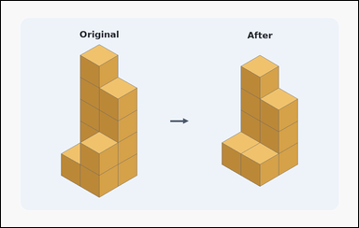 | 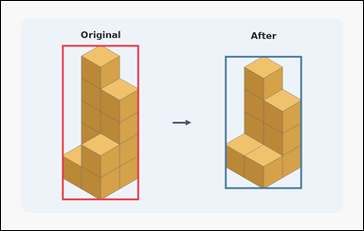 | task_puzzles_spatial_cube_removal_count | cube_removal_count | You are given a block-comparison puzzle with the original block on the left and the remaining block on the right. The left structure is the original block and the right structure is the block after some cubes were taken away. How many cubes were removed? Answer with the removed cube count as an integer. Return a valid JSON object with keys "evidence" and "answer" in that order. Evidence format: set "evidence" to an array containing exactly two bounding boxes [x1, y1, x2, y2], first for the original block on the left and second for the remaining block on the right. Answer requirement: set "answer" to the exact number of cubes removed as an integer. Example JSON: {"evidence":[[132,175,459,656],[750,207,1080,656]],"answer":4} | You are given a block-comparison puzzle with the original block on the left and the remaining block on the right. The left structure is the original block and the right structure is the block after some cubes were taken away. How many cubes were removed? Answer with the removed cube count as an integer. Return a valid JSON object with key "answer". Answer rule: set "answer" to the exact number of cubes removed as an integer. Example JSON: {"answer":4} | {"evidence": [[202.818, 146.0, 457.182, 660.0], [742.818, 182.714, 997.182, 623.286]], "answer": 3} | [[202.818, 146.0, 457.182, 660.0], [742.818, 182.714, 997.182, 623.286]] | integer | bbox_set | 1.8280805574E+15 | puzzles/task_puzzles_spatial_cube_removal_count/images/default/0023.png | puzzles/task_puzzles_spatial_cube_removal_count/data/default/0023.json
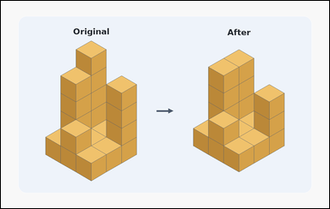 | 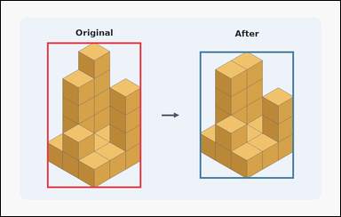 | task_puzzles_spatial_cube_removal_count | cube_removal_count | Work from the two shown block structures in the image: a block-comparison puzzle with the original block on the left and the remaining block on the right. The right block is formed by removing cubes from the left block. How many cubes were removed? Provide the number of cubes taken away as an integer. Return a valid JSON object with keys "evidence" and "answer" in that order. Evidence field: set "evidence" to an array containing exactly two bounding boxes [x1, y1, x2, y2], first for the original block on the left and second for the remaining block on the right. Answer field: set "answer" to the exact number of cubes removed as an integer. Example JSON: {"evidence":[[132,175,459,656],[750,207,1080,656]],"answer":4} | Work from the two shown block structures in the image: a block-comparison puzzle with the original block on the left and the remaining block on the right. The right block is formed by removing cubes from the left block. How many cubes were removed? Provide the number of cubes taken away as an integer. Return a valid JSON object with key "answer". Answer format: set "answer" to the exact number of cubes removed as an integer. Example JSON: {"answer":4} | {"evidence": [[163.074, 146.0, 496.926, 660.0], [703.074, 178.125, 1036.926, 627.875]], "answer": 2} | [[163.074, 146.0, 496.926, 660.0], [703.074, 178.125, 1036.926, 627.875]] | integer | bbox_set | 1.8283717517E+15 | puzzles/task_puzzles_spatial_cube_removal_count/images/default/0012.png | puzzles/task_puzzles_spatial_cube_removal_count/data/default/0012.json
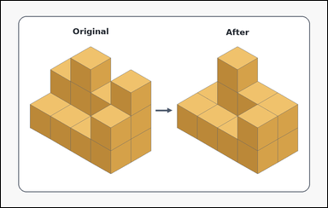 | 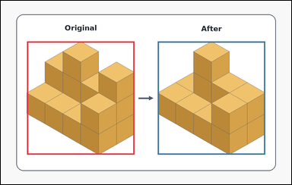 | task_puzzles_spatial_cube_removal_count | cube_removal_count | Work from the two shown block structures in the image: an outline-style block-comparison puzzle with the original block on the left and the remaining block on the right. The right block is formed by removing cubes from the left block. How many cubes were removed? Give the exact removed cube count as an integer. Return a valid JSON object with keys "evidence" and "answer" in that order. Evidence rule: set "evidence" to an array containing exactly two bounding boxes [x1, y1, x2, y2], first for the original block on the left and second for the remaining block on the right. Answer rule: set "answer" to the exact number of cubes removed as an integer. Example JSON: {"evidence":[[132,175,459,656],[750,207,1080,656]],"answer":4} | Work from the two shown block structures in the image: an outline-style block-comparison puzzle with the original block on the left and the remaining block on the right. The right block is formed by removing cubes from the left block. How many cubes were removed? Give the exact removed cube count as an integer. Return a valid JSON object with key "answer". Answer rule: set "answer" to the exact number of cubes removed as an integer. Example JSON: {"answer":4} | {"evidence": [[108.0, 168.018, 552.0, 637.982], [648.0, 168.018, 1092.0, 637.982]], "answer": 2} | [[108.0, 168.018, 552.0, 637.982], [648.0, 168.018, 1092.0, 637.982]] | integer | bbox_set | 2.2235661159E+15 | puzzles/task_puzzles_spatial_cube_removal_count/images/default/0016.png | puzzles/task_puzzles_spatial_cube_removal_count/data/default/0016.json
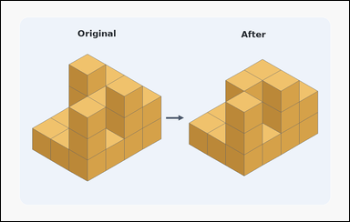 | 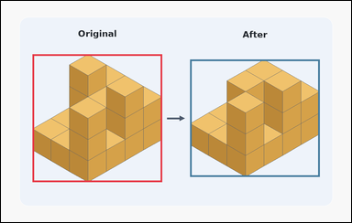 | task_puzzles_spatial_cube_removal_count | cube_removal_count | Use the original block on the left and the remaining block on the right: a block-comparison puzzle with the original block on the left and the remaining block on the right. Use the two shown block structures to determine how many cubes were removed from the original block. Provide the number of cubes taken away as an integer. Return a valid JSON object with keys "evidence" and "answer" in that order. Evidence: set "evidence" to an array containing exactly two bounding boxes [x1, y1, x2, y2], first for the original block on the left and second for the remaining block on the right. Answer: set "answer" to the exact number of cubes removed as an integer. Example JSON: {"evidence":[[132,175,459,656],[750,207,1080,656]],"answer":4} | Use the original block on the left and the remaining block on the right: a block-comparison puzzle with the original block on the left and the remaining block on the right. Use the two shown block structures to determine how many cubes were removed from the original block. Provide the number of cubes taken away as an integer. Return a valid JSON object with key "answer". Answer requirement: set "answer" to the exact number of cubes removed as an integer. Example JSON: {"answer":4} | {"evidence": [[108.0, 183.277, 552.0, 622.723], [648.0, 201.587, 1092.0, 604.413]], "answer": 3} | [[108.0, 183.277, 552.0, 622.723], [648.0, 201.587, 1092.0, 604.413]] | integer | bbox_set | 2.2915004894E+15 | puzzles/task_puzzles_spatial_cube_removal_count/images/default/0000.png | puzzles/task_puzzles_spatial_cube_removal_count/data/default/0000.json
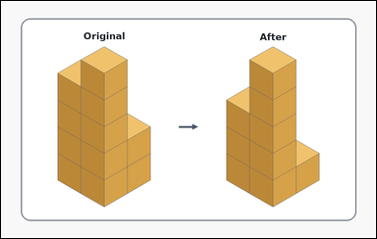 | 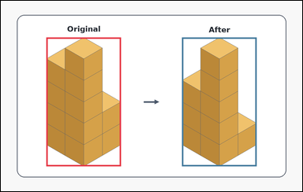 | task_puzzles_spatial_cube_removal_count | cube_removal_count | You are given an outline-style block-comparison puzzle with the original block on the left and the remaining block on the right. How many cubes have been taken away to turn the left block into the right block? Provide the number of cubes taken away as an integer. Return a valid JSON object with keys "evidence" and "answer" in that order. Evidence field: set "evidence" to an array containing exactly two bounding boxes [x1, y1, x2, y2], first for the original block on the left and second for the remaining block on the right. Answer field: set "answer" to the exact number of cubes removed as an integer. Example JSON: {"evidence":[[132,175,459,656],[750,207,1080,656]],"answer":4} | You are given an outline-style block-comparison puzzle with the original block on the left and the remaining block on the right. How many cubes have been taken away to turn the left block into the right block? Provide the number of cubes taken away as an integer. Return a valid JSON object with key "answer". Answer field: set "answer" to the exact number of cubes removed as an integer. Example JSON: {"answer":4} | {"evidence": [[181.621, 146.0, 478.379, 660.0], [721.621, 146.0, 1018.379, 660.0]], "answer": 2} | [[181.621, 146.0, 478.379, 660.0], [721.621, 146.0, 1018.379, 660.0]] | integer | bbox_set | 2.5221709541E+15 | puzzles/task_puzzles_spatial_cube_removal_count/images/default/0003.png | puzzles/task_puzzles_spatial_cube_removal_count/data/default/0003.json
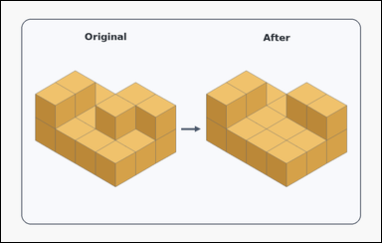 | 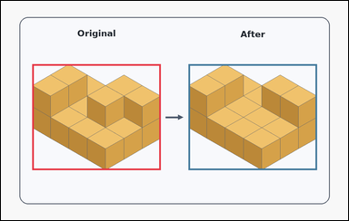 | task_puzzles_spatial_cube_removal_count | cube_removal_count | You are given a card-style block-comparison puzzle with the original block on the left and the remaining block on the right. The left structure is the original block and the right structure is the block after some cubes were taken away. How many cubes were removed? Answer with the removed cube count as an integer. Return a valid JSON object with keys "evidence" and "answer" in that order. Evidence field: set "evidence" to an array containing exactly two bounding boxes [x1, y1, x2, y2], first for the original block on the left and second for the remaining block on the right. Answer field: set "answer" to the exact number of cubes removed as an integer. Example JSON: {"evidence":[[132,175,459,656],[750,207,1080,656]],"answer":4} | You are given a card-style block-comparison puzzle with the original block on the left and the remaining block on the right. The left structure is the original block and the right structure is the block after some cubes were taken away. How many cubes were removed? Answer with the removed cube count as an integer. Return a valid JSON object with key "answer". Answer requirement: set "answer" to the exact number of cubes removed as an integer. Example JSON: {"answer":4} | {"evidence": [[108.0, 219.897, 552.0, 586.103], [648.0, 219.897, 1092.0, 586.103]], "answer": 1} | [[108.0, 219.897, 552.0, 586.103], [648.0, 219.897, 1092.0, 586.103]] | integer | bbox_set | 3.3315290264E+15 | puzzles/task_puzzles_spatial_cube_removal_count/images/default/0024.png | puzzles/task_puzzles_spatial_cube_removal_count/data/default/0024.json
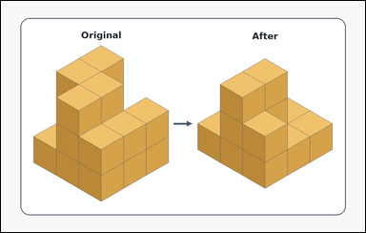 | 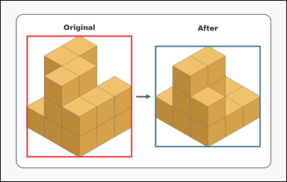 | task_puzzles_spatial_cube_removal_count | cube_removal_count | Look at the block-comparison puzzle in the image: an outline-style block-comparison puzzle with the original block on the left and the remaining block on the right. Compare the original block on the left with the remaining block on the right. How many cubes have been taken from the block? Answer with the removed cube count as an integer. Return a valid JSON object with keys "evidence" and "answer" in that order. Evidence requirement: set "evidence" to an array containing exactly two bounding boxes [x1, y1, x2, y2], first for the original block on the left and second for the remaining block on the right. Answer format: set "answer" to the exact number of cubes removed as an integer. Example JSON: {"evidence":[[132,175,459,656],[750,207,1080,656]],"answer":4} | Look at the block-comparison puzzle in the image: an outline-style block-comparison puzzle with the original block on the left and the remaining block on the right. Compare the original block on the left with the remaining block on the right. How many cubes have been taken from the block? Answer with the removed cube count as an integer. Return a valid JSON object with key "answer". Answer rule: set "answer" to the exact number of cubes removed as an integer. Example JSON: {"answer":4} | {"evidence": [[108.0, 146.656, 552.0, 659.344], [648.0, 189.38, 1092.0, 616.62]], "answer": 4} | [[108.0, 146.656, 552.0, 659.344], [648.0, 189.38, 1092.0, 616.62]] | integer | bbox_set | 3.8150427973E+15 | puzzles/task_puzzles_spatial_cube_removal_count/images/default/0001.png | puzzles/task_puzzles_spatial_cube_removal_count/data/default/0001.json
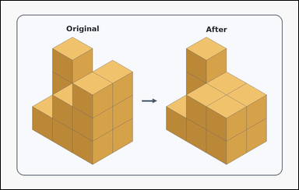 | 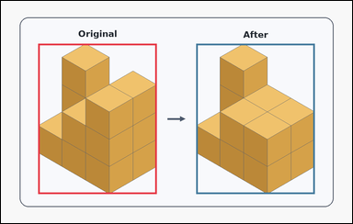 | task_puzzles_spatial_cube_removal_count | cube_removal_count | The image shows a card-style block-comparison puzzle with the original block on the left and the remaining block on the right. How many cubes have been taken away to turn the left block into the right block? Give the exact removed cube count as an integer. Return a valid JSON object with keys "evidence" and "answer" in that order. Evidence rule: set "evidence" to an array containing exactly two bounding boxes [x1, y1, x2, y2], first for the original block on the left and second for the remaining block on the right. Answer rule: set "answer" to the exact number of cubes removed as an integer. Example JSON: {"evidence":[[132,175,459,656],[750,207,1080,656]],"answer":4} | The image shows a card-style block-comparison puzzle with the original block on the left and the remaining block on the right. How many cubes have been taken away to turn the left block into the right block? Give the exact removed cube count as an integer. Return a valid JSON object with key "answer". Answer rule: set "answer" to the exact number of cubes removed as an integer. Example JSON: {"answer":4} | {"evidence": [[127.665, 146.0, 532.335, 660.0], [667.665, 146.0, 1072.335, 660.0]], "answer": 2} | [[127.665, 146.0, 532.335, 660.0], [667.665, 146.0, 1072.335, 660.0]] | integer | bbox_set | 3.9553904404E+15 | puzzles/task_puzzles_spatial_cube_removal_count/images/default/0022.png | puzzles/task_puzzles_spatial_cube_removal_count/data/default/0022.json
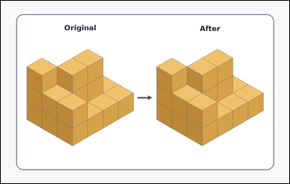 | 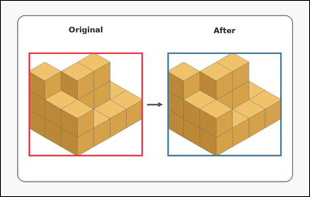 | task_puzzles_spatial_cube_removal_count | cube_removal_count | The image shows an outline-style block-comparison puzzle with the original block on the left and the remaining block on the right. The right block is formed by removing cubes from the left block. How many cubes were removed? Respond with the removed cube count as an integer. Return a valid JSON object with keys "evidence" and "answer" in that order. Evidence field: set "evidence" to an array containing exactly two bounding boxes [x1, y1, x2, y2], first for the original block on the left and second for the remaining block on the right. Answer field: set "answer" to the exact number of cubes removed as an integer. Example JSON: {"evidence":[[132,175,459,656],[750,207,1080,656]],"answer":4} | The image shows an outline-style block-comparison puzzle with the original block on the left and the remaining block on the right. The right block is formed by removing cubes from the left block. How many cubes were removed? Respond with the removed cube count as an integer. Return a valid JSON object with key "answer". Answer field: set "answer" to the exact number of cubes removed as an integer. Example JSON: {"answer":4} | {"evidence": [[108.0, 201.587, 552.0, 604.413], [648.0, 201.587, 1092.0, 604.413]], "answer": 1} | [[108.0, 201.587, 552.0, 604.413], [648.0, 201.587, 1092.0, 604.413]] | integer | bbox_set | 4.1398025432E+15 | puzzles/task_puzzles_spatial_cube_removal_count/images/default/0005.png | puzzles/task_puzzles_spatial_cube_removal_count/data/default/0005.json
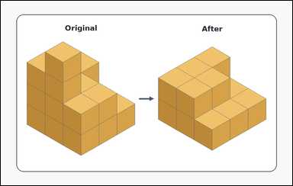 |  | task_puzzles_spatial_cube_removal_count | cube_removal_count | You are given an outline-style block-comparison puzzle with the original block on the left and the remaining block on the right. The left structure is the original block and the right structure is the block after some cubes were taken away. How many cubes were removed? Respond with the removed cube count as an integer. Return a valid JSON object with keys "evidence" and "answer" in that order. Evidence: set "evidence" to an array containing exactly two bounding boxes [x1, y1, x2, y2], first for the original block on the left and second for the remaining block on the right. Answer: set "answer" to the exact number of cubes removed as an integer. Example JSON: {"evidence":[[132,175,459,656],[750,207,1080,656]],"answer":4} | You are given an outline-style block-comparison puzzle with the original block on the left and the remaining block on the right. The left structure is the original block and the right structure is the block after some cubes were taken away. How many cubes were removed? Respond with the removed cube count as an integer. Return a valid JSON object with key "answer". Answer: set "answer" to the exact number of cubes removed as an integer. Example JSON: {"answer":4} | {"evidence": [[108.0, 168.018, 552.0, 637.982], [648.0, 189.38, 1092.0, 616.62]], "answer": 6} | [[108.0, 168.018, 552.0, 637.982], [648.0, 189.38, 1092.0, 616.62]] | integer | bbox_set | 4.2568021302E+15 | puzzles/task_puzzles_spatial_cube_removal_count/images/default/0020.png | puzzles/task_puzzles_spatial_cube_removal_count/data/default/0020.json
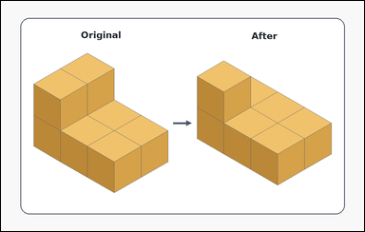 | 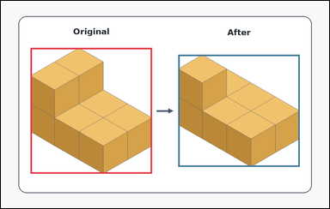 | task_puzzles_spatial_cube_removal_count | cube_removal_count | Work from the two shown block structures in the image: an outline-style block-comparison puzzle with the original block on the left and the remaining block on the right. The right block is formed by removing cubes from the left block. How many cubes were removed? Give the exact removed cube count as an integer. Return a valid JSON object with keys "evidence" and "answer" in that order. Evidence field: set "evidence" to an array containing exactly two bounding boxes [x1, y1, x2, y2], first for the original block on the left and second for the remaining block on the right. Answer field: set "answer" to the exact number of cubes removed as an integer. Example JSON: {"evidence":[[132,175,459,656],[750,207,1080,656]],"answer":4} | Work from the two shown block structures in the image: an outline-style block-comparison puzzle with the original block on the left and the remaining block on the right. The right block is formed by removing cubes from the left block. How many cubes were removed? Give the exact removed cube count as an integer. Return a valid JSON object with key "answer". Answer: set "answer" to the exact number of cubes removed as an integer. Example JSON: {"answer":4} | {"evidence": [[108.0, 172.291, 552.0, 633.709], [648.0, 197.925, 1092.0, 608.075]], "answer": 1} | [[108.0, 172.291, 552.0, 633.709], [648.0, 197.925, 1092.0, 608.075]] | integer | bbox_set | 4.3844893343E+15 | puzzles/task_puzzles_spatial_cube_removal_count/images/default/0004.png | puzzles/task_puzzles_spatial_cube_removal_count/data/default/0004.json
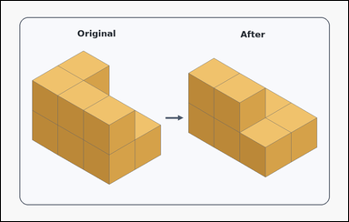 | 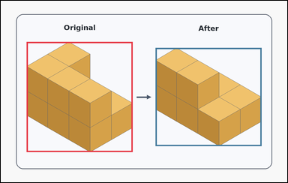 | task_puzzles_spatial_cube_removal_count | cube_removal_count | The image shows a card-style block-comparison puzzle with the original block on the left and the remaining block on the right. Use the two shown block structures to determine how many cubes were removed from the original block. Return the number of cubes removed as an integer. Return a valid JSON object with keys "evidence" and "answer" in that order. Evidence: set "evidence" to an array containing exactly two bounding boxes [x1, y1, x2, y2], first for the original block on the left and second for the remaining block on the right. Answer: set "answer" to the exact number of cubes removed as an integer. Example JSON: {"evidence":[[132,175,459,656],[750,207,1080,656]],"answer":4} | The image shows a card-style block-comparison puzzle with the original block on the left and the remaining block on the right. Use the two shown block structures to determine how many cubes were removed from the original block. Return the number of cubes removed as an integer. Return a valid JSON object with key "answer". Answer rule: set "answer" to the exact number of cubes removed as an integer. Example JSON: {"answer":4} | {"evidence": [[108.0, 172.291, 552.0, 633.709], [648.0, 197.925, 1092.0, 608.075]], "answer": 2} | [[108.0, 172.291, 552.0, 633.709], [648.0, 197.925, 1092.0, 608.075]] | integer | bbox_set | 4.5897728661E+15 | puzzles/task_puzzles_spatial_cube_removal_count/images/default/0011.png | puzzles/task_puzzles_spatial_cube_removal_count/data/default/0011.json
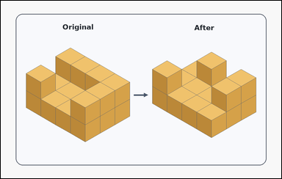 | 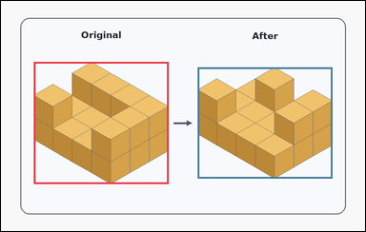 | task_puzzles_spatial_cube_removal_count | cube_removal_count | Use the original block on the left and the remaining block on the right: a card-style block-comparison puzzle with the original block on the left and the remaining block on the right. The left structure is the original block and the right structure is the block after some cubes were taken away. How many cubes were removed? Give the exact removed cube count as an integer. Return a valid JSON object with keys "evidence" and "answer" in that order. Evidence: set "evidence" to an array containing exactly two bounding boxes [x1, y1, x2, y2], first for the original block on the left and second for the remaining block on the right. Answer: set "answer" to the exact number of cubes removed as an integer. Example JSON: {"evidence":[[132,175,459,656],[750,207,1080,656]],"answer":4} | Use the original block on the left and the remaining block on the right: a card-style block-comparison puzzle with the original block on the left and the remaining block on the right. The left structure is the original block and the right structure is the block after some cubes were taken away. How many cubes were removed? Give the exact removed cube count as an integer. Return a valid JSON object with key "answer". Answer field: set "answer" to the exact number of cubes removed as an integer. Example JSON: {"answer":4} | {"evidence": [[108.0, 201.587, 552.0, 604.413], [648.0, 219.897, 1092.0, 586.103]], "answer": 3} | [[108.0, 201.587, 552.0, 604.413], [648.0, 219.897, 1092.0, 586.103]] | integer | bbox_set | 5.0330553292E+15 | puzzles/task_puzzles_spatial_cube_removal_count/images/default/0014.png | puzzles/task_puzzles_spatial_cube_removal_count/data/default/0014.json
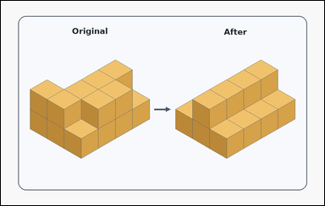 | 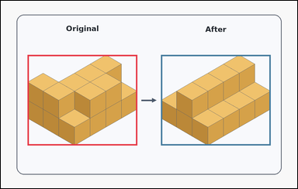 | task_puzzles_spatial_cube_removal_count | cube_removal_count | Use the original block on the left and the remaining block on the right: a card-style block-comparison puzzle with the original block on the left and the remaining block on the right. The left structure is the original block and the right structure is the block after some cubes were taken away. How many cubes were removed? Answer with the removed cube count as an integer. Return a valid JSON object with keys "evidence" and "answer" in that order. Evidence requirement: set "evidence" to an array containing exactly two bounding boxes [x1, y1, x2, y2], first for the original block on the left and second for the remaining block on the right. Answer format: set "answer" to the exact number of cubes removed as an integer. Example JSON: {"evidence":[[132,175,459,656],[750,207,1080,656]],"answer":4} | Use the original block on the left and the remaining block on the right: a card-style block-comparison puzzle with the original block on the left and the remaining block on the right. The left structure is the original block and the right structure is the block after some cubes were taken away. How many cubes were removed? Answer with the removed cube count as an integer. Return a valid JSON object with key "answer". Answer requirement: set "answer" to the exact number of cubes removed as an integer. Example JSON: {"answer":4} | {"evidence": [[108.0, 219.897, 552.0, 586.103], [648.0, 219.897, 1092.0, 586.103]], "answer": 3} | [[108.0, 219.897, 552.0, 586.103], [648.0, 219.897, 1092.0, 586.103]] | integer | bbox_set | 5.9833688486E+15 | puzzles/task_puzzles_spatial_cube_removal_count/images/default/0019.png | puzzles/task_puzzles_spatial_cube_removal_count/data/default/0019.json
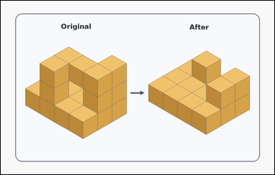 | 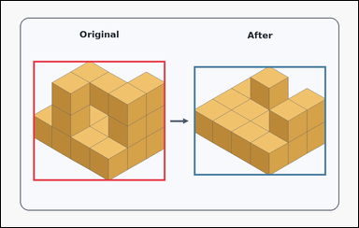 | task_puzzles_spatial_cube_removal_count | cube_removal_count | Work from the two shown block structures in the image: a card-style block-comparison puzzle with the original block on the left and the remaining block on the right. The left structure is the original block and the right structure is the block after some cubes were taken away. How many cubes were removed? Answer with the removed cube count as an integer. Return a valid JSON object with keys "evidence" and "answer" in that order. Evidence format: set "evidence" to an array containing exactly two bounding boxes [x1, y1, x2, y2], first for the original block on the left and second for the remaining block on the right. Answer requirement: set "answer" to the exact number of cubes removed as an integer. Example JSON: {"evidence":[[132,175,459,656],[750,207,1080,656]],"answer":4} | Work from the two shown block structures in the image: a card-style block-comparison puzzle with the original block on the left and the remaining block on the right. The left structure is the original block and the right structure is the block after some cubes were taken away. How many cubes were removed? Answer with the removed cube count as an integer. Return a valid JSON object with key "answer". Answer rule: set "answer" to the exact number of cubes removed as an integer. Example JSON: {"answer":4} | {"evidence": [[108.0, 201.587, 552.0, 604.413], [648.0, 219.897, 1092.0, 586.103]], "answer": 6} | [[108.0, 201.587, 552.0, 604.413], [648.0, 219.897, 1092.0, 586.103]] | integer | bbox_set | 6.1701723845E+15 | puzzles/task_puzzles_spatial_cube_removal_count/images/default/0013.png | puzzles/task_puzzles_spatial_cube_removal_count/data/default/0013.json
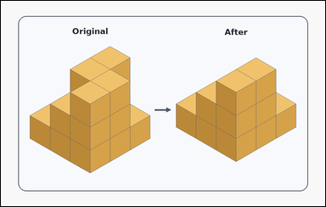 | 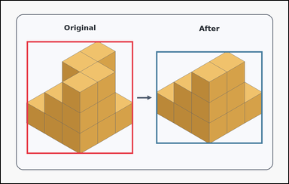 | task_puzzles_spatial_cube_removal_count | cube_removal_count | Use the original block on the left and the remaining block on the right: a card-style block-comparison puzzle with the original block on the left and the remaining block on the right. Use the two shown block structures to determine how many cubes were removed from the original block. Give the exact removed cube count as an integer. Return a valid JSON object with keys "evidence" and "answer" in that order. Evidence requirement: set "evidence" to an array containing exactly two bounding boxes [x1, y1, x2, y2], first for the original block on the left and second for the remaining block on the right. Answer format: set "answer" to the exact number of cubes removed as an integer. Example JSON: {"evidence":[[132,175,459,656],[750,207,1080,656]],"answer":4} | Use the original block on the left and the remaining block on the right: a card-style block-comparison puzzle with the original block on the left and the remaining block on the right. Use the two shown block structures to determine how many cubes were removed from the original block. Give the exact removed cube count as an integer. Return a valid JSON object with key "answer". Answer rule: set "answer" to the exact number of cubes removed as an integer. Example JSON: {"answer":4} | {"evidence": [[108.0, 168.018, 552.0, 637.982], [648.0, 210.742, 1092.0, 595.258]], "answer": 4} | [[108.0, 168.018, 552.0, 637.982], [648.0, 210.742, 1092.0, 595.258]] | integer | bbox_set | 7.2983886352E+15 | puzzles/task_puzzles_spatial_cube_removal_count/images/default/0002.png | puzzles/task_puzzles_spatial_cube_removal_count/data/default/0002.json
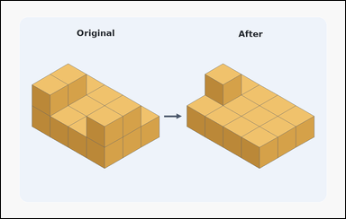 | 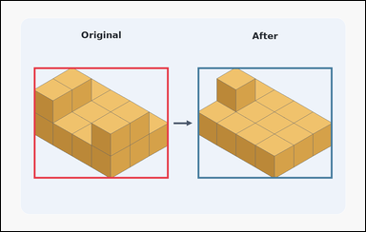 | task_puzzles_spatial_cube_removal_count | cube_removal_count | Look at the block-comparison puzzle in the image: a block-comparison puzzle with the original block on the left and the remaining block on the right. Use the two shown block structures to determine how many cubes were removed from the original block. Give the exact removed cube count as an integer. Return a valid JSON object with keys "evidence" and "answer" in that order. Evidence format: set "evidence" to an array containing exactly two bounding boxes [x1, y1, x2, y2], first for the original block on the left and second for the remaining block on the right. Answer requirement: set "answer" to the exact number of cubes removed as an integer. Example JSON: {"evidence":[[132,175,459,656],[750,207,1080,656]],"answer":4} | Look at the block-comparison puzzle in the image: a block-comparison puzzle with the original block on the left and the remaining block on the right. Use the two shown block structures to determine how many cubes were removed from the original block. Give the exact removed cube count as an integer. Return a valid JSON object with key "answer". Answer requirement: set "answer" to the exact number of cubes removed as an integer. Example JSON: {"answer":4} | {"evidence": [[108.0, 219.897, 552.0, 586.103], [648.0, 219.897, 1092.0, 586.103]], "answer": 3} | [[108.0, 219.897, 552.0, 586.103], [648.0, 219.897, 1092.0, 586.103]] | integer | bbox_set | 7.7133473161E+15 | puzzles/task_puzzles_spatial_cube_removal_count/images/default/0007.png | puzzles/task_puzzles_spatial_cube_removal_count/data/default/0007.json
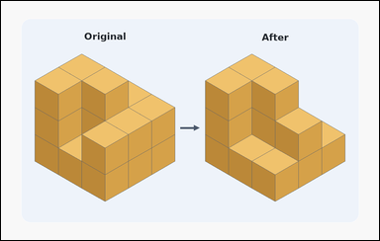 |  | task_puzzles_spatial_cube_removal_count | cube_removal_count | Work from the two shown block structures in the image: a block-comparison puzzle with the original block on the left and the remaining block on the right. How many cubes have been taken away to turn the left block into the right block? Respond with the removed cube count as an integer. Return a valid JSON object with keys "evidence" and "answer" in that order. Evidence field: set "evidence" to an array containing exactly two bounding boxes [x1, y1, x2, y2], first for the original block on the left and second for the remaining block on the right. Answer field: set "answer" to the exact number of cubes removed as an integer. Example JSON: {"evidence":[[132,175,459,656],[750,207,1080,656]],"answer":4} | Work from the two shown block structures in the image: a block-comparison puzzle with the original block on the left and the remaining block on the right. How many cubes have been taken away to turn the left block into the right block? Respond with the removed cube count as an integer. Return a valid JSON object with key "answer". Answer requirement: set "answer" to the exact number of cubes removed as an integer. Example JSON: {"answer":4} | {"evidence": [[108.0, 168.018, 552.0, 637.982], [648.0, 168.018, 1092.0, 637.982]], "answer": 4} | [[108.0, 168.018, 552.0, 637.982], [648.0, 168.018, 1092.0, 637.982]] | integer | bbox_set | 8.1362461274E+15 | puzzles/task_puzzles_spatial_cube_removal_count/images/default/0009.png | puzzles/task_puzzles_spatial_cube_removal_count/data/default/0009.json
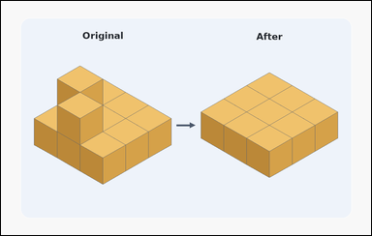 | 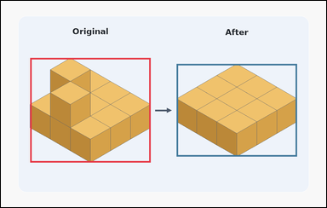 | task_puzzles_spatial_cube_removal_count | cube_removal_count | You are given a block-comparison puzzle with the original block on the left and the remaining block on the right. Compare the original block on the left with the remaining block on the right. How many cubes have been taken from the block? Answer with the removed cube count as an integer. Return a valid JSON object with keys "evidence" and "answer" in that order. Evidence: set "evidence" to an array containing exactly two bounding boxes [x1, y1, x2, y2], first for the original block on the left and second for the remaining block on the right. Answer: set "answer" to the exact number of cubes removed as an integer. Example JSON: {"evidence":[[132,175,459,656],[750,207,1080,656]],"answer":4} | You are given a block-comparison puzzle with the original block on the left and the remaining block on the right. Compare the original block on the left with the remaining block on the right. How many cubes have been taken from the block? Answer with the removed cube count as an integer. Return a valid JSON object with key "answer". Answer field: set "answer" to the exact number of cubes removed as an integer. Example JSON: {"answer":4} | {"evidence": [[108.0, 210.742, 552.0, 595.258], [648.0, 232.104, 1092.0, 573.896]], "answer": 2} | [[108.0, 210.742, 552.0, 595.258], [648.0, 232.104, 1092.0, 573.896]] | integer | bbox_set | 8.6745484732E+15 | puzzles/task_puzzles_spatial_cube_removal_count/images/default/0017.png | puzzles/task_puzzles_spatial_cube_removal_count/data/default/0017.json
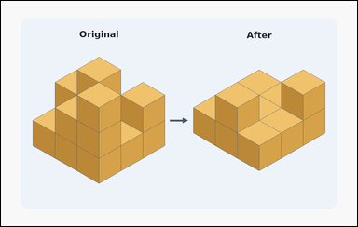 | 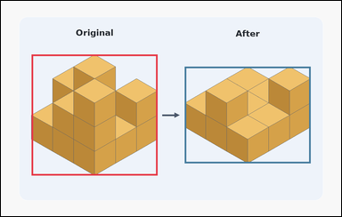 | task_puzzles_spatial_cube_removal_count | cube_removal_count | Look at the block-comparison puzzle in the image: a block-comparison puzzle with the original block on the left and the remaining block on the right. Use the two shown block structures to determine how many cubes were removed from the original block. Answer with the removed cube count as an integer. Return a valid JSON object with keys "evidence" and "answer" in that order. Evidence field: set "evidence" to an array containing exactly two bounding boxes [x1, y1, x2, y2], first for the original block on the left and second for the remaining block on the right. Answer field: set "answer" to the exact number of cubes removed as an integer. Example JSON: {"evidence":[[132,175,459,656],[750,207,1080,656]],"answer":4} | Look at the block-comparison puzzle in the image: a block-comparison puzzle with the original block on the left and the remaining block on the right. Use the two shown block structures to determine how many cubes were removed from the original block. Answer with the removed cube count as an integer. Return a valid JSON object with key "answer". Answer: set "answer" to the exact number of cubes removed as an integer. Example JSON: {"answer":4} | {"evidence": [[108.0, 189.38, 552.0, 616.62], [648.0, 232.104, 1092.0, 573.896]], "answer": 6} | [[108.0, 189.38, 552.0, 616.62], [648.0, 232.104, 1092.0, 573.896]] | integer | bbox_set | 8.9639308014E+15 | puzzles/task_puzzles_spatial_cube_removal_count/images/default/0021.png | puzzles/task_puzzles_spatial_cube_removal_count/data/default/0021.json

