left_torque
image | evidence_image | task | task_variant | prompt | prompt_answer_only | answer | answer_evidence | answer_type | evidence_type | instance_seed | image_path | data_path
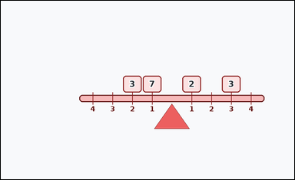 |  | task_physics_mechanics_lever_balance | left_torque | You are given an image with one lever-balance diagram with a horizontal beam, an offset fulcrum, numbered distance marks, and weight blocks on both sides. Answer using only the information shown in the lever diagram. Read the left-side weights and distance marks. What torque do they produce about the fulcrum? Answer with an integer. Return a valid JSON object with keys "evidence" and "answer" in that order. Evidence requirement: set "evidence" to an array of bounding boxes [x1, y1, x2, y2] for all weight blocks on the queried side of the fulcrum. Answer format: set "answer" to the requested integer torque or missing weight value. Example JSON: {"evidence":[[2,3,4,5],[3,4,5,6]],"answer":8} | You are given an image with one lever-balance diagram with a horizontal beam, an offset fulcrum, numbered distance marks, and weight blocks on both sides. Answer using only the information shown in the lever diagram. Read the left-side weights and distance marks. What torque do they produce about the fulcrum? Answer with an integer. Return a valid JSON object with key "answer". Answer field: set "answer" to the requested integer torque or missing weight value. Example JSON: {"answer":8} | {"evidence": [[445.0, 235.0, 503.0, 287.0], [383.0, 235.0, 441.0, 287.0]], "answer": 13} | [[445.0, 235.0, 503.0, 287.0], [383.0, 235.0, 441.0, 287.0]] | integer | bbox_set | 112477271609805 | physics/task_physics_mechanics_lever_balance/images/left_torque/0001.png | physics/task_physics_mechanics_lever_balance/data/left_torque/0001.json
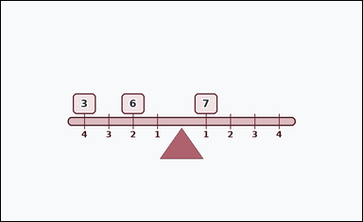 | 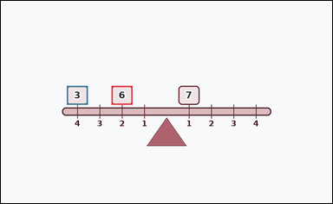 | task_physics_mechanics_lever_balance | left_torque | The image shows one lever-balance diagram with a horizontal beam, a central fulcrum, numbered distance marks, and weight blocks on both sides. Work from the beam, fulcrum, weights, and distance marks to answer the question. Using the shown left-side weights and their distances from the fulcrum, what left-side torque is produced? Answer with an integer. Return a valid JSON object with keys "evidence" and "answer" in that order. Evidence: set "evidence" to an array of bounding boxes [x1, y1, x2, y2] for all weight blocks on the queried side of the fulcrum. Answer: set "answer" to the requested integer torque or missing weight value. Example JSON: {"evidence":[[2,3,4,5],[3,4,5,6]],"answer":8} | The image shows one lever-balance diagram with a horizontal beam, a central fulcrum, numbered distance marks, and weight blocks on both sides. Work from the beam, fulcrum, weights, and distance marks to answer the question. Using the shown left-side weights and their distances from the fulcrum, what left-side torque is produced? Answer with an integer. Return a valid JSON object with key "answer". Answer rule: set "answer" to the requested integer torque or missing weight value. Example JSON: {"answer":8} | {"evidence": [[307.0, 235.0, 365.0, 287.0], [183.0, 235.0, 241.0, 287.0]], "answer": 24} | [[307.0, 235.0, 365.0, 287.0], [183.0, 235.0, 241.0, 287.0]] | integer | bbox_set | 542251972603332 | physics/task_physics_mechanics_lever_balance/images/left_torque/0009.png | physics/task_physics_mechanics_lever_balance/data/left_torque/0009.json
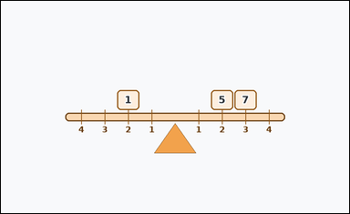 | 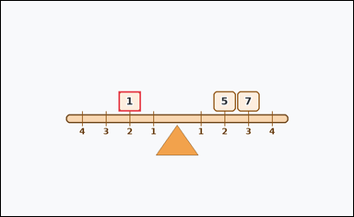 | task_physics_mechanics_lever_balance | left_torque | The image shows one lever-balance diagram with a horizontal beam, a central fulcrum, numbered distance marks, and weight blocks on both sides. Determine the requested lever-balance value from the diagram. Determine the torque contributed by the weights on the left side of the lever. Answer with an integer. Return a valid JSON object with keys "evidence" and "answer" in that order. Evidence field: set "evidence" to an array of bounding boxes [x1, y1, x2, y2] for all weight blocks on the queried side of the fulcrum. Answer field: set "answer" to the requested integer torque or missing weight value. Example JSON: {"evidence":[[2,3,4,5]],"answer":8} | The image shows one lever-balance diagram with a horizontal beam, a central fulcrum, numbered distance marks, and weight blocks on both sides. Determine the requested lever-balance value from the diagram. Determine the torque contributed by the weights on the left side of the lever. Answer with an integer. Return a valid JSON object with key "answer". Answer format: set "answer" to the requested integer torque or missing weight value. Example JSON: {"answer":8} | {"evidence": [[307.0, 235.0, 365.0, 287.0]], "answer": 2} | [[307.0, 235.0, 365.0, 287.0]] | integer | bbox_set | 680156721122112 | physics/task_physics_mechanics_lever_balance/images/left_torque/0019.png | physics/task_physics_mechanics_lever_balance/data/left_torque/0019.json
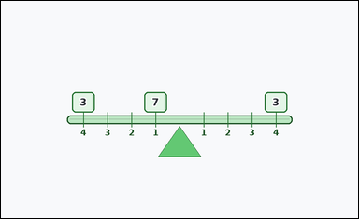 | 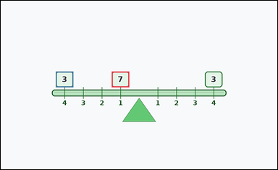 | task_physics_mechanics_lever_balance | left_torque | You are given an image with one lever-balance diagram with a textured beam, a fulcrum, numbered distance marks, and weight blocks on both sides. Work from the beam, fulcrum, weights, and distance marks to answer the question. Determine the torque contributed by the weights on the left side of the lever. Answer with an integer. Return a valid JSON object with keys "evidence" and "answer" in that order. Evidence: set "evidence" to an array of bounding boxes [x1, y1, x2, y2] for all weight blocks on the queried side of the fulcrum. Answer: set "answer" to the requested integer torque or missing weight value. Example JSON: {"evidence":[[2,3,4,5],[3,4,5,6]],"answer":8} | You are given an image with one lever-balance diagram with a textured beam, a fulcrum, numbered distance marks, and weight blocks on both sides. Work from the beam, fulcrum, weights, and distance marks to answer the question. Determine the torque contributed by the weights on the left side of the lever. Answer with an integer. Return a valid JSON object with key "answer". Answer field: set "answer" to the requested integer torque or missing weight value. Example JSON: {"answer":8} | {"evidence": [[369.0, 235.0, 427.0, 287.0], [183.0, 235.0, 241.0, 287.0]], "answer": 19} | [[369.0, 235.0, 427.0, 287.0], [183.0, 235.0, 241.0, 287.0]] | integer | bbox_set | 1.3743433533E+15 | physics/task_physics_mechanics_lever_balance/images/left_torque/0021.png | physics/task_physics_mechanics_lever_balance/data/left_torque/0021.json
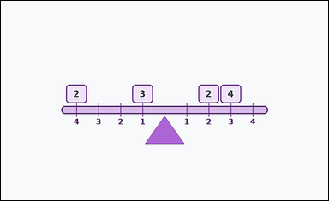 | 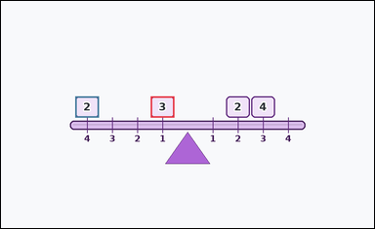 | task_physics_mechanics_lever_balance | left_torque | Work from the lever-balance diagram shown in the image: one lever-balance diagram with a textured beam, a fulcrum, numbered distance marks, and weight blocks on both sides. Use the shown weights and distances to answer the question. Read the left-side weights and distance marks. What torque do they produce about the fulcrum? Answer with an integer. Return a valid JSON object with keys "evidence" and "answer" in that order. Evidence: set "evidence" to an array of bounding boxes [x1, y1, x2, y2] for all weight blocks on the queried side of the fulcrum. Answer: set "answer" to the requested integer torque or missing weight value. Example JSON: {"evidence":[[2,3,4,5],[3,4,5,6]],"answer":8} | Work from the lever-balance diagram shown in the image: one lever-balance diagram with a textured beam, a fulcrum, numbered distance marks, and weight blocks on both sides. Use the shown weights and distances to answer the question. Read the left-side weights and distance marks. What torque do they produce about the fulcrum? Answer with an integer. Return a valid JSON object with key "answer". Answer rule: set "answer" to the requested integer torque or missing weight value. Example JSON: {"answer":8} | {"evidence": [[369.0, 235.0, 427.0, 287.0], [183.0, 235.0, 241.0, 287.0]], "answer": 11} | [[369.0, 235.0, 427.0, 287.0], [183.0, 235.0, 241.0, 287.0]] | integer | bbox_set | 1.5031370043E+15 | physics/task_physics_mechanics_lever_balance/images/left_torque/0006.png | physics/task_physics_mechanics_lever_balance/data/left_torque/0006.json
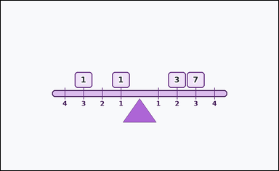 | 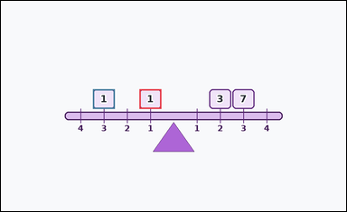 | task_physics_mechanics_lever_balance | left_torque | The image shows one lever-balance diagram with a horizontal beam, a central fulcrum, numbered distance marks, and weight blocks on both sides. Read the lever diagram and determine the requested value. Determine the torque contributed by the weights on the left side of the lever. Answer with an integer. Return a valid JSON object with keys "evidence" and "answer" in that order. Evidence: set "evidence" to an array of bounding boxes [x1, y1, x2, y2] for all weight blocks on the queried side of the fulcrum. Answer: set "answer" to the requested integer torque or missing weight value. Example JSON: {"evidence":[[2,3,4,5],[3,4,5,6]],"answer":8} | The image shows one lever-balance diagram with a horizontal beam, a central fulcrum, numbered distance marks, and weight blocks on both sides. Read the lever diagram and determine the requested value. Determine the torque contributed by the weights on the left side of the lever. Answer with an integer. Return a valid JSON object with key "answer". Answer rule: set "answer" to the requested integer torque or missing weight value. Example JSON: {"answer":8} | {"evidence": [[369.0, 235.0, 427.0, 287.0], [245.0, 235.0, 303.0, 287.0]], "answer": 4} | [[369.0, 235.0, 427.0, 287.0], [245.0, 235.0, 303.0, 287.0]] | integer | bbox_set | 1.5097025684E+15 | physics/task_physics_mechanics_lever_balance/images/left_torque/0003.png | physics/task_physics_mechanics_lever_balance/data/left_torque/0003.json
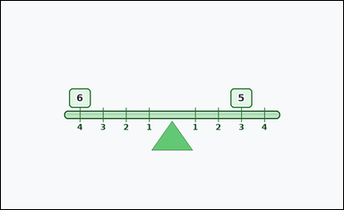 | 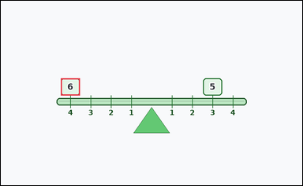 | task_physics_mechanics_lever_balance | left_torque | The image shows one lever-balance diagram with a textured beam, a fulcrum, numbered distance marks, and weight blocks on both sides. Determine the requested lever-balance value from the diagram. Using the shown left-side weights and their distances from the fulcrum, what left-side torque is produced? Answer with an integer. Return a valid JSON object with keys "evidence" and "answer" in that order. Evidence rule: set "evidence" to an array of bounding boxes [x1, y1, x2, y2] for all weight blocks on the queried side of the fulcrum. Answer rule: set "answer" to the requested integer torque or missing weight value. Example JSON: {"evidence":[[2,3,4,5]],"answer":8} | The image shows one lever-balance diagram with a textured beam, a fulcrum, numbered distance marks, and weight blocks on both sides. Determine the requested lever-balance value from the diagram. Using the shown left-side weights and their distances from the fulcrum, what left-side torque is produced? Answer with an integer. Return a valid JSON object with key "answer". Answer requirement: set "answer" to the requested integer torque or missing weight value. Example JSON: {"answer":8} | {"evidence": [[183.0, 235.0, 241.0, 287.0]], "answer": 24} | [[183.0, 235.0, 241.0, 287.0]] | integer | bbox_set | 1.7335892503E+15 | physics/task_physics_mechanics_lever_balance/images/left_torque/0020.png | physics/task_physics_mechanics_lever_balance/data/left_torque/0020.json
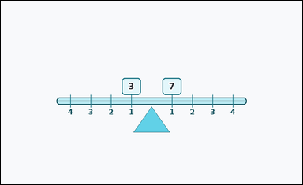 | 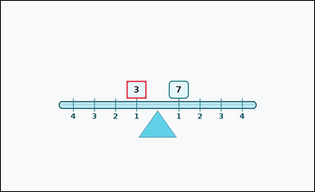 | task_physics_mechanics_lever_balance | left_torque | The image shows one lever-balance diagram with a textured beam, a fulcrum, numbered distance marks, and weight blocks on both sides. Use the shown weights and distances to answer the question. What total left-side torque is implied by the lever diagram? Answer with an integer. Return a valid JSON object with keys "evidence" and "answer" in that order. Evidence field: set "evidence" to an array of bounding boxes [x1, y1, x2, y2] for all weight blocks on the queried side of the fulcrum. Answer field: set "answer" to the requested integer torque or missing weight value. Example JSON: {"evidence":[[2,3,4,5]],"answer":8} | The image shows one lever-balance diagram with a textured beam, a fulcrum, numbered distance marks, and weight blocks on both sides. Use the shown weights and distances to answer the question. What total left-side torque is implied by the lever diagram? Answer with an integer. Return a valid JSON object with key "answer". Answer rule: set "answer" to the requested integer torque or missing weight value. Example JSON: {"answer":8} | {"evidence": [[369.0, 235.0, 427.0, 287.0]], "answer": 3} | [[369.0, 235.0, 427.0, 287.0]] | integer | bbox_set | 2.6549840099E+15 | physics/task_physics_mechanics_lever_balance/images/left_torque/0017.png | physics/task_physics_mechanics_lever_balance/data/left_torque/0017.json
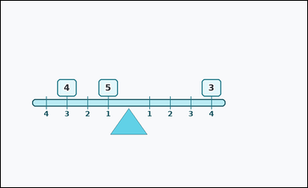 | 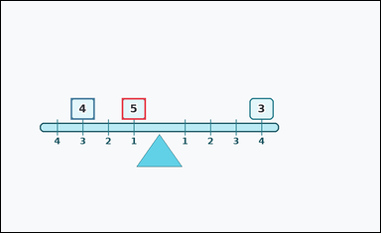 | task_physics_mechanics_lever_balance | left_torque | Use the mechanics lever diagram in the image. It shows one lever-balance diagram with a horizontal beam, an offset fulcrum, numbered distance marks, and weight blocks on both sides. Determine the requested lever-balance value from the diagram. Determine the torque contributed by the weights on the left side of the lever. Answer with an integer. Return a valid JSON object with keys "evidence" and "answer" in that order. Evidence format: set "evidence" to an array of bounding boxes [x1, y1, x2, y2] for all weight blocks on the queried side of the fulcrum. Answer requirement: set "answer" to the requested integer torque or missing weight value. Example JSON: {"evidence":[[2,3,4,5],[3,4,5,6]],"answer":8} | Use the mechanics lever diagram in the image. It shows one lever-balance diagram with a horizontal beam, an offset fulcrum, numbered distance marks, and weight blocks on both sides. Determine the requested lever-balance value from the diagram. Determine the torque contributed by the weights on the left side of the lever. Answer with an integer. Return a valid JSON object with key "answer". Answer field: set "answer" to the requested integer torque or missing weight value. Example JSON: {"answer":8} | {"evidence": [[293.0, 235.0, 351.0, 287.0], [169.0, 235.0, 227.0, 287.0]], "answer": 17} | [[293.0, 235.0, 351.0, 287.0], [169.0, 235.0, 227.0, 287.0]] | integer | bbox_set | 2.8831160255E+15 | physics/task_physics_mechanics_lever_balance/images/left_torque/0010.png | physics/task_physics_mechanics_lever_balance/data/left_torque/0010.json
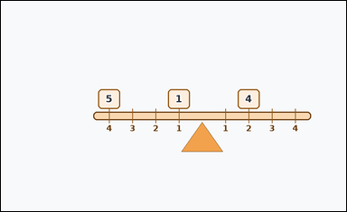 |  | task_physics_mechanics_lever_balance | left_torque | You are given an image with one lever-balance diagram with a horizontal beam, an offset fulcrum, numbered distance marks, and weight blocks on both sides. Use the shown weights and distances to answer the question. Read the left-side weights and distance marks. What torque do they produce about the fulcrum? Answer with an integer. Return a valid JSON object with keys "evidence" and "answer" in that order. Evidence requirement: set "evidence" to an array of bounding boxes [x1, y1, x2, y2] for all weight blocks on the queried side of the fulcrum. Answer format: set "answer" to the requested integer torque or missing weight value. Example JSON: {"evidence":[[2,3,4,5],[3,4,5,6]],"answer":8} | You are given an image with one lever-balance diagram with a horizontal beam, an offset fulcrum, numbered distance marks, and weight blocks on both sides. Use the shown weights and distances to answer the question. Read the left-side weights and distance marks. What torque do they produce about the fulcrum? Answer with an integer. Return a valid JSON object with key "answer". Answer: set "answer" to the requested integer torque or missing weight value. Example JSON: {"answer":8} | {"evidence": [[445.0, 235.0, 503.0, 287.0], [259.0, 235.0, 317.0, 287.0]], "answer": 21} | [[445.0, 235.0, 503.0, 287.0], [259.0, 235.0, 317.0, 287.0]] | integer | bbox_set | 3.4499118598E+15 | physics/task_physics_mechanics_lever_balance/images/left_torque/0012.png | physics/task_physics_mechanics_lever_balance/data/left_torque/0012.json
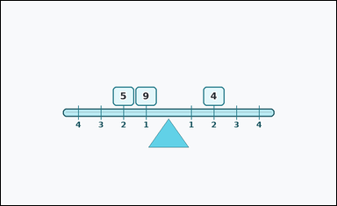 | 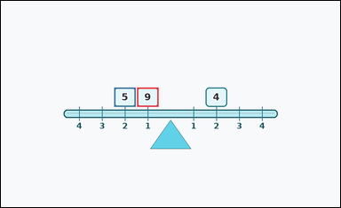 | task_physics_mechanics_lever_balance | left_torque | Use the mechanics lever diagram in the image. It shows one lever-balance diagram with a textured beam, a fulcrum, numbered distance marks, and weight blocks on both sides. Answer using only the information shown in the lever diagram. What total left-side torque is implied by the lever diagram? Answer with an integer. Return a valid JSON object with keys "evidence" and "answer" in that order. Evidence requirement: set "evidence" to an array of bounding boxes [x1, y1, x2, y2] for all weight blocks on the queried side of the fulcrum. Answer format: set "answer" to the requested integer torque or missing weight value. Example JSON: {"evidence":[[2,3,4,5],[3,4,5,6]],"answer":8} | Use the mechanics lever diagram in the image. It shows one lever-balance diagram with a textured beam, a fulcrum, numbered distance marks, and weight blocks on both sides. Answer using only the information shown in the lever diagram. What total left-side torque is implied by the lever diagram? Answer with an integer. Return a valid JSON object with key "answer". Answer rule: set "answer" to the requested integer torque or missing weight value. Example JSON: {"answer":8} | {"evidence": [[369.0, 235.0, 427.0, 287.0], [307.0, 235.0, 365.0, 287.0]], "answer": 19} | [[369.0, 235.0, 427.0, 287.0], [307.0, 235.0, 365.0, 287.0]] | integer | bbox_set | 4.1379337545E+15 | physics/task_physics_mechanics_lever_balance/images/left_torque/0016.png | physics/task_physics_mechanics_lever_balance/data/left_torque/0016.json
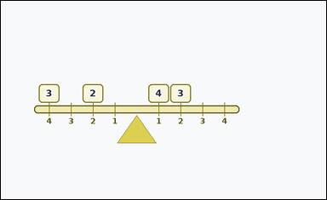 |  | task_physics_mechanics_lever_balance | left_torque | Work from the lever-balance diagram shown in the image: one lever-balance diagram with a horizontal beam, an offset fulcrum, numbered distance marks, and weight blocks on both sides. Determine the requested lever-balance value from the diagram. What total left-side torque is implied by the lever diagram? Answer with an integer. Return a valid JSON object with keys "evidence" and "answer" in that order. Evidence: set "evidence" to an array of bounding boxes [x1, y1, x2, y2] for all weight blocks on the queried side of the fulcrum. Answer: set "answer" to the requested integer torque or missing weight value. Example JSON: {"evidence":[[2,3,4,5],[3,4,5,6]],"answer":8} | Work from the lever-balance diagram shown in the image: one lever-balance diagram with a horizontal beam, an offset fulcrum, numbered distance marks, and weight blocks on both sides. Determine the requested lever-balance value from the diagram. What total left-side torque is implied by the lever diagram? Answer with an integer. Return a valid JSON object with key "answer". Answer rule: set "answer" to the requested integer torque or missing weight value. Example JSON: {"answer":8} | {"evidence": [[231.0, 235.0, 289.0, 287.0], [107.0, 235.0, 165.0, 287.0]], "answer": 16} | [[231.0, 235.0, 289.0, 287.0], [107.0, 235.0, 165.0, 287.0]] | integer | bbox_set | 5.1600636639E+15 | physics/task_physics_mechanics_lever_balance/images/left_torque/0013.png | physics/task_physics_mechanics_lever_balance/data/left_torque/0013.json
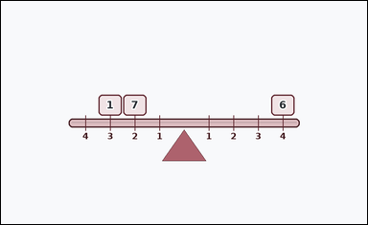 | 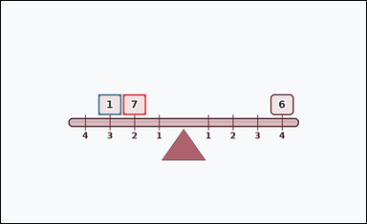 | task_physics_mechanics_lever_balance | left_torque | You are given an image with one lever-balance diagram with a textured beam, a fulcrum, numbered distance marks, and weight blocks on both sides. Use the shown weights and distances to answer the question. What total left-side torque is implied by the lever diagram? Answer with an integer. Return a valid JSON object with keys "evidence" and "answer" in that order. Evidence rule: set "evidence" to an array of bounding boxes [x1, y1, x2, y2] for all weight blocks on the queried side of the fulcrum. Answer rule: set "answer" to the requested integer torque or missing weight value. Example JSON: {"evidence":[[2,3,4,5],[3,4,5,6]],"answer":8} | You are given an image with one lever-balance diagram with a textured beam, a fulcrum, numbered distance marks, and weight blocks on both sides. Use the shown weights and distances to answer the question. What total left-side torque is implied by the lever diagram? Answer with an integer. Return a valid JSON object with key "answer". Answer format: set "answer" to the requested integer torque or missing weight value. Example JSON: {"answer":8} | {"evidence": [[307.0, 235.0, 365.0, 287.0], [245.0, 235.0, 303.0, 287.0]], "answer": 17} | [[307.0, 235.0, 365.0, 287.0], [245.0, 235.0, 303.0, 287.0]] | integer | bbox_set | 5.4168917139E+15 | physics/task_physics_mechanics_lever_balance/images/left_torque/0004.png | physics/task_physics_mechanics_lever_balance/data/left_torque/0004.json
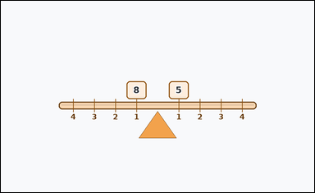 | 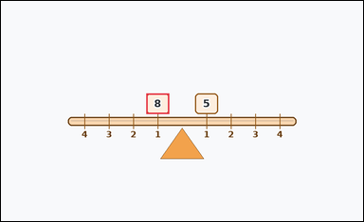 | task_physics_mechanics_lever_balance | left_torque | The image shows one lever-balance diagram with a textured beam, a fulcrum, numbered distance marks, and weight blocks on both sides. Work from the beam, fulcrum, weights, and distance marks to answer the question. What is the total torque from the weights on the left side of the fulcrum? Answer with an integer. Return a valid JSON object with keys "evidence" and "answer" in that order. Evidence format: set "evidence" to an array of bounding boxes [x1, y1, x2, y2] for all weight blocks on the queried side of the fulcrum. Answer requirement: set "answer" to the requested integer torque or missing weight value. Example JSON: {"evidence":[[2,3,4,5]],"answer":8} | The image shows one lever-balance diagram with a textured beam, a fulcrum, numbered distance marks, and weight blocks on both sides. Work from the beam, fulcrum, weights, and distance marks to answer the question. What is the total torque from the weights on the left side of the fulcrum? Answer with an integer. Return a valid JSON object with key "answer". Answer rule: set "answer" to the requested integer torque or missing weight value. Example JSON: {"answer":8} | {"evidence": [[369.0, 235.0, 427.0, 287.0]], "answer": 8} | [[369.0, 235.0, 427.0, 287.0]] | integer | bbox_set | 5.7141183676E+15 | physics/task_physics_mechanics_lever_balance/images/left_torque/0011.png | physics/task_physics_mechanics_lever_balance/data/left_torque/0011.json
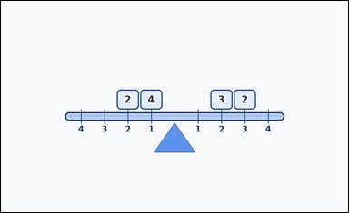 | 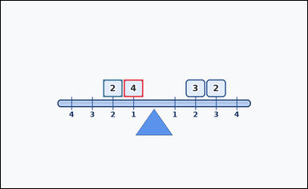 | task_physics_mechanics_lever_balance | left_torque | Look at the mechanics lever diagram in the image. It shows one lever-balance diagram with a textured beam, a fulcrum, numbered distance marks, and weight blocks on both sides. Work from the beam, fulcrum, weights, and distance marks to answer the question. Read the left-side weights and distance marks. What torque do they produce about the fulcrum? Answer with an integer. Return a valid JSON object with keys "evidence" and "answer" in that order. Evidence: set "evidence" to an array of bounding boxes [x1, y1, x2, y2] for all weight blocks on the queried side of the fulcrum. Answer: set "answer" to the requested integer torque or missing weight value. Example JSON: {"evidence":[[2,3,4,5],[3,4,5,6]],"answer":8} | Look at the mechanics lever diagram in the image. It shows one lever-balance diagram with a textured beam, a fulcrum, numbered distance marks, and weight blocks on both sides. Work from the beam, fulcrum, weights, and distance marks to answer the question. Read the left-side weights and distance marks. What torque do they produce about the fulcrum? Answer with an integer. Return a valid JSON object with key "answer". Answer rule: set "answer" to the requested integer torque or missing weight value. Example JSON: {"answer":8} | {"evidence": [[369.0, 235.0, 427.0, 287.0], [307.0, 235.0, 365.0, 287.0]], "answer": 8} | [[369.0, 235.0, 427.0, 287.0], [307.0, 235.0, 365.0, 287.0]] | integer | bbox_set | 6.4615285367E+15 | physics/task_physics_mechanics_lever_balance/images/left_torque/0022.png | physics/task_physics_mechanics_lever_balance/data/left_torque/0022.json
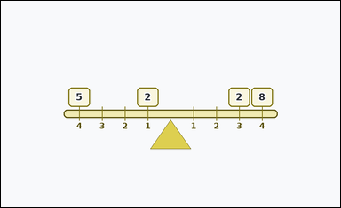 | 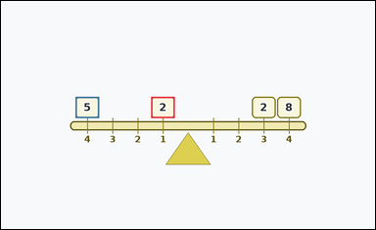 | task_physics_mechanics_lever_balance | left_torque | Look at the mechanics lever diagram in the image. It shows one lever-balance diagram with a horizontal beam, a central fulcrum, numbered distance marks, and weight blocks on both sides. Answer using only the information shown in the lever diagram. What is the total torque from the weights on the left side of the fulcrum? Answer with an integer. Return a valid JSON object with keys "evidence" and "answer" in that order. Evidence format: set "evidence" to an array of bounding boxes [x1, y1, x2, y2] for all weight blocks on the queried side of the fulcrum. Answer requirement: set "answer" to the requested integer torque or missing weight value. Example JSON: {"evidence":[[2,3,4,5],[3,4,5,6]],"answer":8} | Look at the mechanics lever diagram in the image. It shows one lever-balance diagram with a horizontal beam, a central fulcrum, numbered distance marks, and weight blocks on both sides. Answer using only the information shown in the lever diagram. What is the total torque from the weights on the left side of the fulcrum? Answer with an integer. Return a valid JSON object with key "answer". Answer requirement: set "answer" to the requested integer torque or missing weight value. Example JSON: {"answer":8} | {"evidence": [[369.0, 235.0, 427.0, 287.0], [183.0, 235.0, 241.0, 287.0]], "answer": 22} | [[369.0, 235.0, 427.0, 287.0], [183.0, 235.0, 241.0, 287.0]] | integer | bbox_set | 6.9315266688E+15 | physics/task_physics_mechanics_lever_balance/images/left_torque/0007.png | physics/task_physics_mechanics_lever_balance/data/left_torque/0007.json
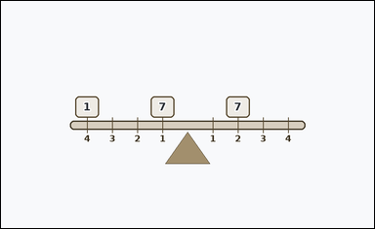 | 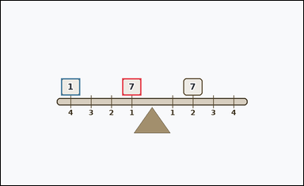 | task_physics_mechanics_lever_balance | left_torque | The image shows one lever-balance diagram with a horizontal beam, a central fulcrum, numbered distance marks, and weight blocks on both sides. Work from the beam, fulcrum, weights, and distance marks to answer the question. Read the left-side weights and distance marks. What torque do they produce about the fulcrum? Answer with an integer. Return a valid JSON object with keys "evidence" and "answer" in that order. Evidence: set "evidence" to an array of bounding boxes [x1, y1, x2, y2] for all weight blocks on the queried side of the fulcrum. Answer: set "answer" to the requested integer torque or missing weight value. Example JSON: {"evidence":[[2,3,4,5],[3,4,5,6]],"answer":8} | The image shows one lever-balance diagram with a horizontal beam, a central fulcrum, numbered distance marks, and weight blocks on both sides. Work from the beam, fulcrum, weights, and distance marks to answer the question. Read the left-side weights and distance marks. What torque do they produce about the fulcrum? Answer with an integer. Return a valid JSON object with key "answer". Answer rule: set "answer" to the requested integer torque or missing weight value. Example JSON: {"answer":8} | {"evidence": [[369.0, 235.0, 427.0, 287.0], [183.0, 235.0, 241.0, 287.0]], "answer": 11} | [[369.0, 235.0, 427.0, 287.0], [183.0, 235.0, 241.0, 287.0]] | integer | bbox_set | 6.9500742495E+15 | physics/task_physics_mechanics_lever_balance/images/left_torque/0008.png | physics/task_physics_mechanics_lever_balance/data/left_torque/0008.json
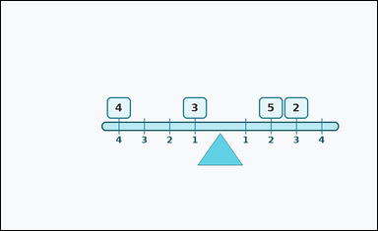 | 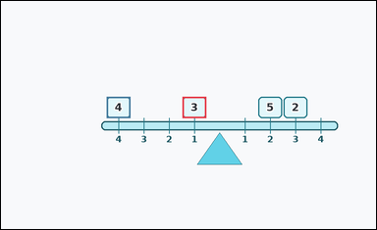 | task_physics_mechanics_lever_balance | left_torque | You are given an image with one lever-balance diagram with a horizontal beam, an offset fulcrum, numbered distance marks, and weight blocks on both sides. Read the lever diagram and determine the requested value. Read the left-side weights and distance marks. What torque do they produce about the fulcrum? Answer with an integer. Return a valid JSON object with keys "evidence" and "answer" in that order. Evidence requirement: set "evidence" to an array of bounding boxes [x1, y1, x2, y2] for all weight blocks on the queried side of the fulcrum. Answer format: set "answer" to the requested integer torque or missing weight value. Example JSON: {"evidence":[[2,3,4,5],[3,4,5,6]],"answer":8} | You are given an image with one lever-balance diagram with a horizontal beam, an offset fulcrum, numbered distance marks, and weight blocks on both sides. Read the lever diagram and determine the requested value. Read the left-side weights and distance marks. What torque do they produce about the fulcrum? Answer with an integer. Return a valid JSON object with key "answer". Answer field: set "answer" to the requested integer torque or missing weight value. Example JSON: {"answer":8} | {"evidence": [[445.0, 235.0, 503.0, 287.0], [259.0, 235.0, 317.0, 287.0]], "answer": 19} | [[445.0, 235.0, 503.0, 287.0], [259.0, 235.0, 317.0, 287.0]] | integer | bbox_set | 7.0161724148E+15 | physics/task_physics_mechanics_lever_balance/images/left_torque/0005.png | physics/task_physics_mechanics_lever_balance/data/left_torque/0005.json
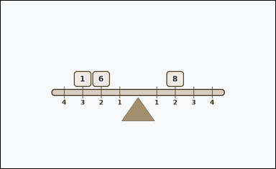 | 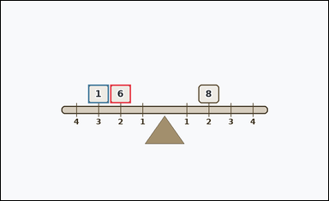 | task_physics_mechanics_lever_balance | left_torque | The image shows one lever-balance diagram with a horizontal beam, a central fulcrum, numbered distance marks, and weight blocks on both sides. Read the lever diagram and determine the requested value. Using the shown left-side weights and their distances from the fulcrum, what left-side torque is produced? Answer with an integer. Return a valid JSON object with keys "evidence" and "answer" in that order. Evidence: set "evidence" to an array of bounding boxes [x1, y1, x2, y2] for all weight blocks on the queried side of the fulcrum. Answer: set "answer" to the requested integer torque or missing weight value. Example JSON: {"evidence":[[2,3,4,5],[3,4,5,6]],"answer":8} | The image shows one lever-balance diagram with a horizontal beam, a central fulcrum, numbered distance marks, and weight blocks on both sides. Read the lever diagram and determine the requested value. Using the shown left-side weights and their distances from the fulcrum, what left-side torque is produced? Answer with an integer. Return a valid JSON object with key "answer". Answer requirement: set "answer" to the requested integer torque or missing weight value. Example JSON: {"answer":8} | {"evidence": [[307.0, 235.0, 365.0, 287.0], [245.0, 235.0, 303.0, 287.0]], "answer": 15} | [[307.0, 235.0, 365.0, 287.0], [245.0, 235.0, 303.0, 287.0]] | integer | bbox_set | 7.1716054221E+15 | physics/task_physics_mechanics_lever_balance/images/left_torque/0002.png | physics/task_physics_mechanics_lever_balance/data/left_torque/0002.json
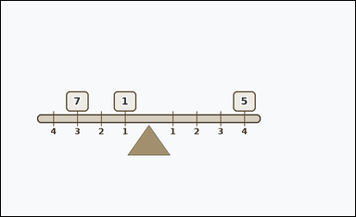 |  | task_physics_mechanics_lever_balance | left_torque | Work from the lever-balance diagram shown in the image: one lever-balance diagram with a horizontal beam, an offset fulcrum, numbered distance marks, and weight blocks on both sides. Use the shown weights and distances to answer the question. Determine the torque contributed by the weights on the left side of the lever. Answer with an integer. Return a valid JSON object with keys "evidence" and "answer" in that order. Evidence requirement: set "evidence" to an array of bounding boxes [x1, y1, x2, y2] for all weight blocks on the queried side of the fulcrum. Answer format: set "answer" to the requested integer torque or missing weight value. Example JSON: {"evidence":[[2,3,4,5],[3,4,5,6]],"answer":8} | Work from the lever-balance diagram shown in the image: one lever-balance diagram with a horizontal beam, an offset fulcrum, numbered distance marks, and weight blocks on both sides. Use the shown weights and distances to answer the question. Determine the torque contributed by the weights on the left side of the lever. Answer with an integer. Return a valid JSON object with key "answer". Answer: set "answer" to the requested integer torque or missing weight value. Example JSON: {"answer":8} | {"evidence": [[293.0, 235.0, 351.0, 287.0], [169.0, 235.0, 227.0, 287.0]], "answer": 22} | [[293.0, 235.0, 351.0, 287.0], [169.0, 235.0, 227.0, 287.0]] | integer | bbox_set | 7.3751000836E+15 | physics/task_physics_mechanics_lever_balance/images/left_torque/0014.png | physics/task_physics_mechanics_lever_balance/data/left_torque/0014.json
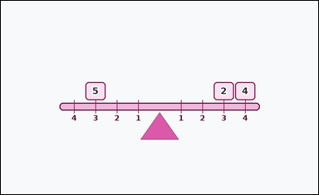 | 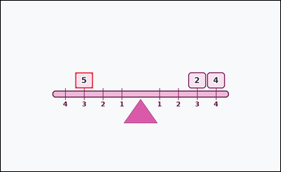 | task_physics_mechanics_lever_balance | left_torque | You are given an image with one lever-balance diagram with a horizontal beam, a central fulcrum, numbered distance marks, and weight blocks on both sides. Use the shown weights and distances to answer the question. What total left-side torque is implied by the lever diagram? Answer with an integer. Return a valid JSON object with keys "evidence" and "answer" in that order. Evidence requirement: set "evidence" to an array of bounding boxes [x1, y1, x2, y2] for all weight blocks on the queried side of the fulcrum. Answer format: set "answer" to the requested integer torque or missing weight value. Example JSON: {"evidence":[[2,3,4,5]],"answer":8} | You are given an image with one lever-balance diagram with a horizontal beam, a central fulcrum, numbered distance marks, and weight blocks on both sides. Use the shown weights and distances to answer the question. What total left-side torque is implied by the lever diagram? Answer with an integer. Return a valid JSON object with key "answer". Answer format: set "answer" to the requested integer torque or missing weight value. Example JSON: {"answer":8} | {"evidence": [[245.0, 235.0, 303.0, 287.0]], "answer": 15} | [[245.0, 235.0, 303.0, 287.0]] | integer | bbox_set | 7.4948607725E+15 | physics/task_physics_mechanics_lever_balance/images/left_torque/0023.png | physics/task_physics_mechanics_lever_balance/data/left_torque/0023.json
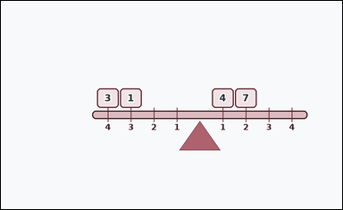 | 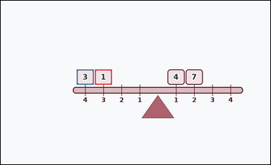 | task_physics_mechanics_lever_balance | left_torque | You are given an image with one lever-balance diagram with a horizontal beam, an offset fulcrum, numbered distance marks, and weight blocks on both sides. Answer using only the information shown in the lever diagram. Using the shown left-side weights and their distances from the fulcrum, what left-side torque is produced? Answer with an integer. Return a valid JSON object with keys "evidence" and "answer" in that order. Evidence format: set "evidence" to an array of bounding boxes [x1, y1, x2, y2] for all weight blocks on the queried side of the fulcrum. Answer requirement: set "answer" to the requested integer torque or missing weight value. Example JSON: {"evidence":[[2,3,4,5],[3,4,5,6]],"answer":8} | You are given an image with one lever-balance diagram with a horizontal beam, an offset fulcrum, numbered distance marks, and weight blocks on both sides. Answer using only the information shown in the lever diagram. Using the shown left-side weights and their distances from the fulcrum, what left-side torque is produced? Answer with an integer. Return a valid JSON object with key "answer". Answer field: set "answer" to the requested integer torque or missing weight value. Example JSON: {"answer":8} | {"evidence": [[321.0, 235.0, 379.0, 287.0], [259.0, 235.0, 317.0, 287.0]], "answer": 15} | [[321.0, 235.0, 379.0, 287.0], [259.0, 235.0, 317.0, 287.0]] | integer | bbox_set | 7.8250265813E+15 | physics/task_physics_mechanics_lever_balance/images/left_torque/0018.png | physics/task_physics_mechanics_lever_balance/data/left_torque/0018.json
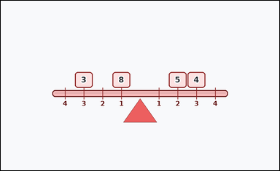 | 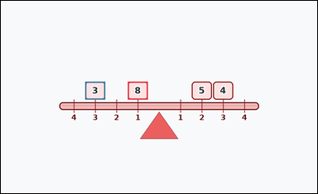 | task_physics_mechanics_lever_balance | left_torque | Work from the lever-balance diagram shown in the image: one lever-balance diagram with a textured beam, a fulcrum, numbered distance marks, and weight blocks on both sides. Read the lever diagram and determine the requested value. What total left-side torque is implied by the lever diagram? Answer with an integer. Return a valid JSON object with keys "evidence" and "answer" in that order. Evidence: set "evidence" to an array of bounding boxes [x1, y1, x2, y2] for all weight blocks on the queried side of the fulcrum. Answer: set "answer" to the requested integer torque or missing weight value. Example JSON: {"evidence":[[2,3,4,5],[3,4,5,6]],"answer":8} | Work from the lever-balance diagram shown in the image: one lever-balance diagram with a textured beam, a fulcrum, numbered distance marks, and weight blocks on both sides. Read the lever diagram and determine the requested value. What total left-side torque is implied by the lever diagram? Answer with an integer. Return a valid JSON object with key "answer". Answer format: set "answer" to the requested integer torque or missing weight value. Example JSON: {"answer":8} | {"evidence": [[369.0, 235.0, 427.0, 287.0], [245.0, 235.0, 303.0, 287.0]], "answer": 17} | [[369.0, 235.0, 427.0, 287.0], [245.0, 235.0, 303.0, 287.0]] | integer | bbox_set | 8.0325012496E+15 | physics/task_physics_mechanics_lever_balance/images/left_torque/0015.png | physics/task_physics_mechanics_lever_balance/data/left_torque/0015.json
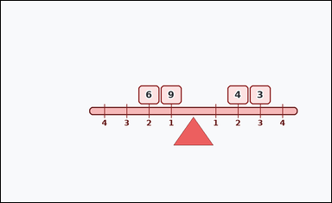 | 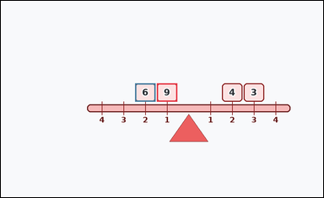 | task_physics_mechanics_lever_balance | left_torque | Use the mechanics lever diagram in the image. It shows one lever-balance diagram with a horizontal beam, an offset fulcrum, numbered distance marks, and weight blocks on both sides. Work from the beam, fulcrum, weights, and distance marks to answer the question. Determine the torque contributed by the weights on the left side of the lever. Answer with an integer. Return a valid JSON object with keys "evidence" and "answer" in that order. Evidence field: set "evidence" to an array of bounding boxes [x1, y1, x2, y2] for all weight blocks on the queried side of the fulcrum. Answer field: set "answer" to the requested integer torque or missing weight value. Example JSON: {"evidence":[[2,3,4,5],[3,4,5,6]],"answer":8} | Use the mechanics lever diagram in the image. It shows one lever-balance diagram with a horizontal beam, an offset fulcrum, numbered distance marks, and weight blocks on both sides. Work from the beam, fulcrum, weights, and distance marks to answer the question. Determine the torque contributed by the weights on the left side of the lever. Answer with an integer. Return a valid JSON object with key "answer". Answer: set "answer" to the requested integer torque or missing weight value. Example JSON: {"answer":8} | {"evidence": [[445.0, 235.0, 503.0, 287.0], [383.0, 235.0, 441.0, 287.0]], "answer": 21} | [[445.0, 235.0, 503.0, 287.0], [383.0, 235.0, 441.0, 287.0]] | integer | bbox_set | 8.0706138766E+15 | physics/task_physics_mechanics_lever_balance/images/left_torque/0024.png | physics/task_physics_mechanics_lever_balance/data/left_torque/0024.json
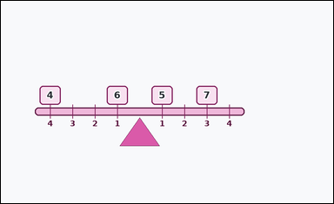 | 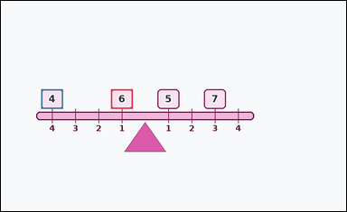 | task_physics_mechanics_lever_balance | left_torque | Look at the mechanics lever diagram in the image. It shows one lever-balance diagram with a horizontal beam, an offset fulcrum, numbered distance marks, and weight blocks on both sides. Answer using only the information shown in the lever diagram. Using the shown left-side weights and their distances from the fulcrum, what left-side torque is produced? Answer with an integer. Return a valid JSON object with keys "evidence" and "answer" in that order. Evidence requirement: set "evidence" to an array of bounding boxes [x1, y1, x2, y2] for all weight blocks on the queried side of the fulcrum. Answer format: set "answer" to the requested integer torque or missing weight value. Example JSON: {"evidence":[[2,3,4,5],[3,4,5,6]],"answer":8} | Look at the mechanics lever diagram in the image. It shows one lever-balance diagram with a horizontal beam, an offset fulcrum, numbered distance marks, and weight blocks on both sides. Answer using only the information shown in the lever diagram. Using the shown left-side weights and their distances from the fulcrum, what left-side torque is produced? Answer with an integer. Return a valid JSON object with key "answer". Answer field: set "answer" to the requested integer torque or missing weight value. Example JSON: {"answer":8} | {"evidence": [[293.0, 235.0, 351.0, 287.0], [107.0, 235.0, 165.0, 287.0]], "answer": 22} | [[293.0, 235.0, 351.0, 287.0], [107.0, 235.0, 165.0, 287.0]] | integer | bbox_set | 8.268572719E+15 | physics/task_physics_mechanics_lever_balance/images/left_torque/0000.png | physics/task_physics_mechanics_lever_balance/data/left_torque/0000.json

missing_weight_to_balance
image | evidence_image | task | task_variant | prompt | prompt_answer_only | answer | answer_evidence | answer_type | evidence_type | instance_seed | image_path | data_path
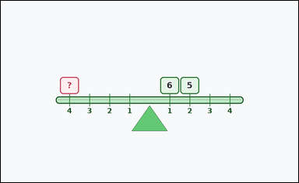 | 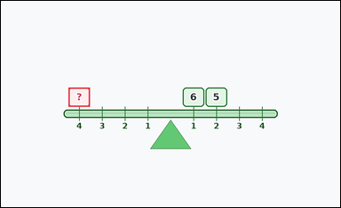 | task_physics_mechanics_lever_balance | missing_weight_to_balance | The image shows one lever-balance diagram with a textured beam, a fulcrum, numbered distance marks, and weight blocks on both sides. Use the shown weights and distances to answer the question. What weight should replace the marked `?` block so the lever balances? Answer with an integer. Return a valid JSON object with keys "evidence" and "answer" in that order. Evidence requirement: set "evidence" to an array containing the bounding box [x1, y1, x2, y2] of the marked `?` weight block. Answer format: set "answer" to the requested integer torque or missing weight value. Example JSON: {"evidence":[[2,3,4,5]],"answer":8} | The image shows one lever-balance diagram with a textured beam, a fulcrum, numbered distance marks, and weight blocks on both sides. Use the shown weights and distances to answer the question. What weight should replace the marked `?` block so the lever balances? Answer with an integer. Return a valid JSON object with key "answer". Answer: set "answer" to the requested integer torque or missing weight value. Example JSON: {"answer":8} | {"evidence": [[183.0, 235.0, 241.0, 287.0]], "answer": 4} | [[183.0, 235.0, 241.0, 287.0]] | integer | bbox_set | 392365744371218 | physics/task_physics_mechanics_lever_balance/images/missing_weight_to_balance/0001.png | physics/task_physics_mechanics_lever_balance/data/missing_weight_to_balance/0001.json
 |  | task_physics_mechanics_lever_balance | missing_weight_to_balance | Look at the mechanics lever diagram in the image. It shows one lever-balance diagram with a textured beam, a fulcrum, numbered distance marks, and weight blocks on both sides. Answer using only the information shown in the lever diagram. How large should the marked `?` weight be so the torques on both sides match? Answer with an integer. Return a valid JSON object with keys "evidence" and "answer" in that order. Evidence field: set "evidence" to an array containing the bounding box [x1, y1, x2, y2] of the marked `?` weight block. Answer field: set "answer" to the requested integer torque or missing weight value. Example JSON: {"evidence":[[2,3,4,5]],"answer":8} | Look at the mechanics lever diagram in the image. It shows one lever-balance diagram with a textured beam, a fulcrum, numbered distance marks, and weight blocks on both sides. Answer using only the information shown in the lever diagram. How large should the marked `?` weight be so the torques on both sides match? Answer with an integer. Return a valid JSON object with key "answer". Answer: set "answer" to the requested integer torque or missing weight value. Example JSON: {"answer":8} | {"evidence": [[493.0, 235.0, 551.0, 287.0]], "answer": 6} | [[493.0, 235.0, 551.0, 287.0]] | integer | bbox_set | 687524213549471 | physics/task_physics_mechanics_lever_balance/images/missing_weight_to_balance/0006.png | physics/task_physics_mechanics_lever_balance/data/missing_weight_to_balance/0006.json
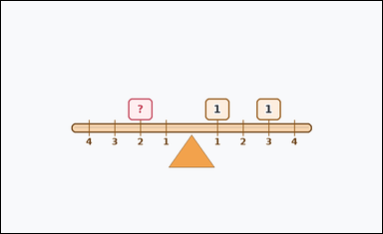 | 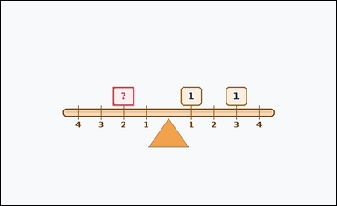 | task_physics_mechanics_lever_balance | missing_weight_to_balance | Look at the mechanics lever diagram in the image. It shows one lever-balance diagram with a textured beam, a fulcrum, numbered distance marks, and weight blocks on both sides. Read the lever diagram and determine the requested value. How large should the marked `?` weight be so the torques on both sides match? Answer with an integer. Return a valid JSON object with keys "evidence" and "answer" in that order. Evidence: set "evidence" to an array containing the bounding box [x1, y1, x2, y2] of the marked `?` weight block. Answer: set "answer" to the requested integer torque or missing weight value. Example JSON: {"evidence":[[2,3,4,5]],"answer":8} | Look at the mechanics lever diagram in the image. It shows one lever-balance diagram with a textured beam, a fulcrum, numbered distance marks, and weight blocks on both sides. Read the lever diagram and determine the requested value. How large should the marked `?` weight be so the torques on both sides match? Answer with an integer. Return a valid JSON object with key "answer". Answer requirement: set "answer" to the requested integer torque or missing weight value. Example JSON: {"answer":8} | {"evidence": [[307.0, 235.0, 365.0, 287.0]], "answer": 2} | [[307.0, 235.0, 365.0, 287.0]] | integer | bbox_set | 2.6919998163E+15 | physics/task_physics_mechanics_lever_balance/images/missing_weight_to_balance/0016.png | physics/task_physics_mechanics_lever_balance/data/missing_weight_to_balance/0016.json
 |  | task_physics_mechanics_lever_balance | missing_weight_to_balance | Use the mechanics lever diagram in the image. It shows one lever-balance diagram with a horizontal beam, an offset fulcrum, numbered distance marks, and weight blocks on both sides. Use the shown weights and distances to answer the question. How large should the marked `?` weight be so the torques on both sides match? Answer with an integer. Return a valid JSON object with keys "evidence" and "answer" in that order. Evidence field: set "evidence" to an array containing the bounding box [x1, y1, x2, y2] of the marked `?` weight block. Answer field: set "answer" to the requested integer torque or missing weight value. Example JSON: {"evidence":[[2,3,4,5]],"answer":8} | Use the mechanics lever diagram in the image. It shows one lever-balance diagram with a horizontal beam, an offset fulcrum, numbered distance marks, and weight blocks on both sides. Use the shown weights and distances to answer the question. How large should the marked `?` weight be so the torques on both sides match? Answer with an integer. Return a valid JSON object with key "answer". Answer: set "answer" to the requested integer torque or missing weight value. Example JSON: {"answer":8} | {"evidence": [[417.0, 235.0, 475.0, 287.0]], "answer": 12} | [[417.0, 235.0, 475.0, 287.0]] | integer | bbox_set | 3.1159912031E+15 | physics/task_physics_mechanics_lever_balance/images/missing_weight_to_balance/0011.png | physics/task_physics_mechanics_lever_balance/data/missing_weight_to_balance/0011.json
 |  | task_physics_mechanics_lever_balance | missing_weight_to_balance | The image shows one lever-balance diagram with a textured beam, a fulcrum, numbered distance marks, and weight blocks on both sides. Answer using only the information shown in the lever diagram. A missing weight is marked with `?`. What value would balance the lever? Answer with an integer. Return a valid JSON object with keys "evidence" and "answer" in that order. Evidence: set "evidence" to an array containing the bounding box [x1, y1, x2, y2] of the marked `?` weight block. Answer: set "answer" to the requested integer torque or missing weight value. Example JSON: {"evidence":[[2,3,4,5]],"answer":8} | The image shows one lever-balance diagram with a textured beam, a fulcrum, numbered distance marks, and weight blocks on both sides. Answer using only the information shown in the lever diagram. A missing weight is marked with `?`. What value would balance the lever? Answer with an integer. Return a valid JSON object with key "answer". Answer requirement: set "answer" to the requested integer torque or missing weight value. Example JSON: {"answer":8} | {"evidence": [[493.0, 235.0, 551.0, 287.0]], "answer": 1} | [[493.0, 235.0, 551.0, 287.0]] | integer | bbox_set | 3.1813792934E+15 | physics/task_physics_mechanics_lever_balance/images/missing_weight_to_balance/0012.png | physics/task_physics_mechanics_lever_balance/data/missing_weight_to_balance/0012.json
 |  | task_physics_mechanics_lever_balance | missing_weight_to_balance | The image shows one lever-balance diagram with a horizontal beam, an offset fulcrum, numbered distance marks, and weight blocks on both sides. Read the lever diagram and determine the requested value. What weight should replace the marked `?` block so the lever balances? Answer with an integer. Return a valid JSON object with keys "evidence" and "answer" in that order. Evidence format: set "evidence" to an array containing the bounding box [x1, y1, x2, y2] of the marked `?` weight block. Answer requirement: set "answer" to the requested integer torque or missing weight value. Example JSON: {"evidence":[[2,3,4,5]],"answer":8} | The image shows one lever-balance diagram with a horizontal beam, an offset fulcrum, numbered distance marks, and weight blocks on both sides. Read the lever diagram and determine the requested value. What weight should replace the marked `?` block so the lever balances? Answer with an integer. Return a valid JSON object with key "answer". Answer: set "answer" to the requested integer torque or missing weight value. Example JSON: {"answer":8} | {"evidence": [[169.0, 235.0, 227.0, 287.0]], "answer": 5} | [[169.0, 235.0, 227.0, 287.0]] | integer | bbox_set | 3.2988247071E+15 | physics/task_physics_mechanics_lever_balance/images/missing_weight_to_balance/0008.png | physics/task_physics_mechanics_lever_balance/data/missing_weight_to_balance/0008.json
 |  | task_physics_mechanics_lever_balance | missing_weight_to_balance | The image shows one lever-balance diagram with a textured beam, a fulcrum, numbered distance marks, and weight blocks on both sides. Use the shown weights and distances to answer the question. A missing weight is marked with `?`. What value would balance the lever? Answer with an integer. Return a valid JSON object with keys "evidence" and "answer" in that order. Evidence format: set "evidence" to an array containing the bounding box [x1, y1, x2, y2] of the marked `?` weight block. Answer requirement: set "answer" to the requested integer torque or missing weight value. Example JSON: {"evidence":[[2,3,4,5]],"answer":8} | The image shows one lever-balance diagram with a textured beam, a fulcrum, numbered distance marks, and weight blocks on both sides. Use the shown weights and distances to answer the question. A missing weight is marked with `?`. What value would balance the lever? Answer with an integer. Return a valid JSON object with key "answer". Answer rule: set "answer" to the requested integer torque or missing weight value. Example JSON: {"answer":8} | {"evidence": [[369.0, 235.0, 427.0, 287.0]], "answer": 12} | [[369.0, 235.0, 427.0, 287.0]] | integer | bbox_set | 3.3209942821E+15 | physics/task_physics_mechanics_lever_balance/images/missing_weight_to_balance/0020.png | physics/task_physics_mechanics_lever_balance/data/missing_weight_to_balance/0020.json
 |  | task_physics_mechanics_lever_balance | missing_weight_to_balance | Look at the mechanics lever diagram in the image. It shows one lever-balance diagram with a textured beam, a fulcrum, numbered distance marks, and weight blocks on both sides. Use the shown weights and distances to answer the question. A missing weight is marked with `?`. What value would balance the lever? Answer with an integer. Return a valid JSON object with keys "evidence" and "answer" in that order. Evidence rule: set "evidence" to an array containing the bounding box [x1, y1, x2, y2] of the marked `?` weight block. Answer rule: set "answer" to the requested integer torque or missing weight value. Example JSON: {"evidence":[[2,3,4,5]],"answer":8} | Look at the mechanics lever diagram in the image. It shows one lever-balance diagram with a textured beam, a fulcrum, numbered distance marks, and weight blocks on both sides. Use the shown weights and distances to answer the question. A missing weight is marked with `?`. What value would balance the lever? Answer with an integer. Return a valid JSON object with key "answer". Answer requirement: set "answer" to the requested integer torque or missing weight value. Example JSON: {"answer":8} | {"evidence": [[679.0, 235.0, 737.0, 287.0]], "answer": 11} | [[679.0, 235.0, 737.0, 287.0]] | integer | bbox_set | 4.1558915556E+15 | physics/task_physics_mechanics_lever_balance/images/missing_weight_to_balance/0010.png | physics/task_physics_mechanics_lever_balance/data/missing_weight_to_balance/0010.json
 |  | task_physics_mechanics_lever_balance | missing_weight_to_balance | Look at the mechanics lever diagram in the image. It shows one lever-balance diagram with a horizontal beam, an offset fulcrum, numbered distance marks, and weight blocks on both sides. Read the lever diagram and determine the requested value. What integer weight is required in the marked `?` block so the beam is balanced about the fulcrum? Return a valid JSON object with keys "evidence" and "answer" in that order. Evidence: set "evidence" to an array containing the bounding box [x1, y1, x2, y2] of the marked `?` weight block. Answer: set "answer" to the requested integer torque or missing weight value. Example JSON: {"evidence":[[2,3,4,5]],"answer":8} | Look at the mechanics lever diagram in the image. It shows one lever-balance diagram with a horizontal beam, an offset fulcrum, numbered distance marks, and weight blocks on both sides. Read the lever diagram and determine the requested value. What integer weight is required in the marked `?` block so the beam is balanced about the fulcrum? Return a valid JSON object with key "answer". Answer: set "answer" to the requested integer torque or missing weight value. Example JSON: {"answer":8} | {"evidence": [[383.0, 235.0, 441.0, 287.0]], "answer": 3} | [[383.0, 235.0, 441.0, 287.0]] | integer | bbox_set | 4.6218874269E+15 | physics/task_physics_mechanics_lever_balance/images/missing_weight_to_balance/0019.png | physics/task_physics_mechanics_lever_balance/data/missing_weight_to_balance/0019.json
 |  | task_physics_mechanics_lever_balance | missing_weight_to_balance | You are given an image with one lever-balance diagram with a horizontal beam, an offset fulcrum, numbered distance marks, and weight blocks on both sides. Use the shown weights and distances to answer the question. How large should the marked `?` weight be so the torques on both sides match? Answer with an integer. Return a valid JSON object with keys "evidence" and "answer" in that order. Evidence: set "evidence" to an array containing the bounding box [x1, y1, x2, y2] of the marked `?` weight block. Answer: set "answer" to the requested integer torque or missing weight value. Example JSON: {"evidence":[[2,3,4,5]],"answer":8} | You are given an image with one lever-balance diagram with a horizontal beam, an offset fulcrum, numbered distance marks, and weight blocks on both sides. Use the shown weights and distances to answer the question. How large should the marked `?` weight be so the torques on both sides match? Answer with an integer. Return a valid JSON object with key "answer". Answer format: set "answer" to the requested integer torque or missing weight value. Example JSON: {"answer":8} | {"evidence": [[569.0, 235.0, 627.0, 287.0]], "answer": 10} | [[569.0, 235.0, 627.0, 287.0]] | integer | bbox_set | 4.6281636164E+15 | physics/task_physics_mechanics_lever_balance/images/missing_weight_to_balance/0018.png | physics/task_physics_mechanics_lever_balance/data/missing_weight_to_balance/0018.json
 |  | task_physics_mechanics_lever_balance | missing_weight_to_balance | The image shows one lever-balance diagram with a horizontal beam, an offset fulcrum, numbered distance marks, and weight blocks on both sides. Determine the requested lever-balance value from the diagram. A missing weight is marked with `?`. What value would balance the lever? Answer with an integer. Return a valid JSON object with keys "evidence" and "answer" in that order. Evidence rule: set "evidence" to an array containing the bounding box [x1, y1, x2, y2] of the marked `?` weight block. Answer rule: set "answer" to the requested integer torque or missing weight value. Example JSON: {"evidence":[[2,3,4,5]],"answer":8} | The image shows one lever-balance diagram with a horizontal beam, an offset fulcrum, numbered distance marks, and weight blocks on both sides. Determine the requested lever-balance value from the diagram. A missing weight is marked with `?`. What value would balance the lever? Answer with an integer. Return a valid JSON object with key "answer". Answer: set "answer" to the requested integer torque or missing weight value. Example JSON: {"answer":8} | {"evidence": [[693.0, 235.0, 751.0, 287.0]], "answer": 7} | [[693.0, 235.0, 751.0, 287.0]] | integer | bbox_set | 5.3061543219E+15 | physics/task_physics_mechanics_lever_balance/images/missing_weight_to_balance/0022.png | physics/task_physics_mechanics_lever_balance/data/missing_weight_to_balance/0022.json
 |  | task_physics_mechanics_lever_balance | missing_weight_to_balance | You are given an image with one lever-balance diagram with a horizontal beam, an offset fulcrum, numbered distance marks, and weight blocks on both sides. Work from the beam, fulcrum, weights, and distance marks to answer the question. Use the shown weights and distances. What value must the marked `?` weight have for the lever to balance? Answer with an integer. Return a valid JSON object with keys "evidence" and "answer" in that order. Evidence: set "evidence" to an array containing the bounding box [x1, y1, x2, y2] of the marked `?` weight block. Answer: set "answer" to the requested integer torque or missing weight value. Example JSON: {"evidence":[[2,3,4,5]],"answer":8} | You are given an image with one lever-balance diagram with a horizontal beam, an offset fulcrum, numbered distance marks, and weight blocks on both sides. Work from the beam, fulcrum, weights, and distance marks to answer the question. Use the shown weights and distances. What value must the marked `?` weight have for the lever to balance? Answer with an integer. Return a valid JSON object with key "answer". Answer requirement: set "answer" to the requested integer torque or missing weight value. Example JSON: {"answer":8} | {"evidence": [[631.0, 235.0, 689.0, 287.0]], "answer": 1} | [[631.0, 235.0, 689.0, 287.0]] | integer | bbox_set | 5.5311341658E+15 | physics/task_physics_mechanics_lever_balance/images/missing_weight_to_balance/0017.png | physics/task_physics_mechanics_lever_balance/data/missing_weight_to_balance/0017.json
 |  | task_physics_mechanics_lever_balance | missing_weight_to_balance | Look at the mechanics lever diagram in the image. It shows one lever-balance diagram with a horizontal beam, an offset fulcrum, numbered distance marks, and weight blocks on both sides. Determine the requested lever-balance value from the diagram. What weight should replace the marked `?` block so the lever balances? Answer with an integer. Return a valid JSON object with keys "evidence" and "answer" in that order. Evidence field: set "evidence" to an array containing the bounding box [x1, y1, x2, y2] of the marked `?` weight block. Answer field: set "answer" to the requested integer torque or missing weight value. Example JSON: {"evidence":[[2,3,4,5]],"answer":8} | Look at the mechanics lever diagram in the image. It shows one lever-balance diagram with a horizontal beam, an offset fulcrum, numbered distance marks, and weight blocks on both sides. Determine the requested lever-balance value from the diagram. What weight should replace the marked `?` block so the lever balances? Answer with an integer. Return a valid JSON object with key "answer". Answer requirement: set "answer" to the requested integer torque or missing weight value. Example JSON: {"answer":8} | {"evidence": [[383.0, 235.0, 441.0, 287.0]], "answer": 5} | [[383.0, 235.0, 441.0, 287.0]] | integer | bbox_set | 5.560462663E+15 | physics/task_physics_mechanics_lever_balance/images/missing_weight_to_balance/0003.png | physics/task_physics_mechanics_lever_balance/data/missing_weight_to_balance/0003.json
 |  | task_physics_mechanics_lever_balance | missing_weight_to_balance | Use the mechanics lever diagram in the image. It shows one lever-balance diagram with a horizontal beam, an offset fulcrum, numbered distance marks, and weight blocks on both sides. Answer using only the information shown in the lever diagram. What weight should replace the marked `?` block so the lever balances? Answer with an integer. Return a valid JSON object with keys "evidence" and "answer" in that order. Evidence requirement: set "evidence" to an array containing the bounding box [x1, y1, x2, y2] of the marked `?` weight block. Answer format: set "answer" to the requested integer torque or missing weight value. Example JSON: {"evidence":[[2,3,4,5]],"answer":8} | Use the mechanics lever diagram in the image. It shows one lever-balance diagram with a horizontal beam, an offset fulcrum, numbered distance marks, and weight blocks on both sides. Answer using only the information shown in the lever diagram. What weight should replace the marked `?` block so the lever balances? Answer with an integer. Return a valid JSON object with key "answer". Answer requirement: set "answer" to the requested integer torque or missing weight value. Example JSON: {"answer":8} | {"evidence": [[259.0, 235.0, 317.0, 287.0]], "answer": 1} | [[259.0, 235.0, 317.0, 287.0]] | integer | bbox_set | 6.3305114585E+15 | physics/task_physics_mechanics_lever_balance/images/missing_weight_to_balance/0009.png | physics/task_physics_mechanics_lever_balance/data/missing_weight_to_balance/0009.json
 |  | task_physics_mechanics_lever_balance | missing_weight_to_balance | Look at the mechanics lever diagram in the image. It shows one lever-balance diagram with a horizontal beam, a central fulcrum, numbered distance marks, and weight blocks on both sides. Determine the requested lever-balance value from the diagram. A missing weight is marked with `?`. What value would balance the lever? Answer with an integer. Return a valid JSON object with keys "evidence" and "answer" in that order. Evidence rule: set "evidence" to an array containing the bounding box [x1, y1, x2, y2] of the marked `?` weight block. Answer rule: set "answer" to the requested integer torque or missing weight value. Example JSON: {"evidence":[[2,3,4,5]],"answer":8} | Look at the mechanics lever diagram in the image. It shows one lever-balance diagram with a horizontal beam, a central fulcrum, numbered distance marks, and weight blocks on both sides. Determine the requested lever-balance value from the diagram. A missing weight is marked with `?`. What value would balance the lever? Answer with an integer. Return a valid JSON object with key "answer". Answer: set "answer" to the requested integer torque or missing weight value. Example JSON: {"answer":8} | {"evidence": [[245.0, 235.0, 303.0, 287.0]], "answer": 7} | [[245.0, 235.0, 303.0, 287.0]] | integer | bbox_set | 6.6805600498E+15 | physics/task_physics_mechanics_lever_balance/images/missing_weight_to_balance/0015.png | physics/task_physics_mechanics_lever_balance/data/missing_weight_to_balance/0015.json
 |  | task_physics_mechanics_lever_balance | missing_weight_to_balance | The image shows one lever-balance diagram with a horizontal beam, a central fulcrum, numbered distance marks, and weight blocks on both sides. Answer using only the information shown in the lever diagram. What weight should replace the marked `?` block so the lever balances? Answer with an integer. Return a valid JSON object with keys "evidence" and "answer" in that order. Evidence: set "evidence" to an array containing the bounding box [x1, y1, x2, y2] of the marked `?` weight block. Answer: set "answer" to the requested integer torque or missing weight value. Example JSON: {"evidence":[[2,3,4,5]],"answer":8} | The image shows one lever-balance diagram with a horizontal beam, a central fulcrum, numbered distance marks, and weight blocks on both sides. Answer using only the information shown in the lever diagram. What weight should replace the marked `?` block so the lever balances? Answer with an integer. Return a valid JSON object with key "answer". Answer requirement: set "answer" to the requested integer torque or missing weight value. Example JSON: {"answer":8} | {"evidence": [[307.0, 235.0, 365.0, 287.0]], "answer": 5} | [[307.0, 235.0, 365.0, 287.0]] | integer | bbox_set | 6.8173682458E+15 | physics/task_physics_mechanics_lever_balance/images/missing_weight_to_balance/0004.png | physics/task_physics_mechanics_lever_balance/data/missing_weight_to_balance/0004.json
 |  | task_physics_mechanics_lever_balance | missing_weight_to_balance | Use the mechanics lever diagram in the image. It shows one lever-balance diagram with a textured beam, a fulcrum, numbered distance marks, and weight blocks on both sides. Read the lever diagram and determine the requested value. Use the shown weights and distances. What value must the marked `?` weight have for the lever to balance? Answer with an integer. Return a valid JSON object with keys "evidence" and "answer" in that order. Evidence rule: set "evidence" to an array containing the bounding box [x1, y1, x2, y2] of the marked `?` weight block. Answer rule: set "answer" to the requested integer torque or missing weight value. Example JSON: {"evidence":[[2,3,4,5]],"answer":8} | Use the mechanics lever diagram in the image. It shows one lever-balance diagram with a textured beam, a fulcrum, numbered distance marks, and weight blocks on both sides. Read the lever diagram and determine the requested value. Use the shown weights and distances. What value must the marked `?` weight have for the lever to balance? Answer with an integer. Return a valid JSON object with key "answer". Answer format: set "answer" to the requested integer torque or missing weight value. Example JSON: {"answer":8} | {"evidence": [[617.0, 235.0, 675.0, 287.0]], "answer": 3} | [[617.0, 235.0, 675.0, 287.0]] | integer | bbox_set | 6.8868668308E+15 | physics/task_physics_mechanics_lever_balance/images/missing_weight_to_balance/0005.png | physics/task_physics_mechanics_lever_balance/data/missing_weight_to_balance/0005.json
 |  | task_physics_mechanics_lever_balance | missing_weight_to_balance | Work from the lever-balance diagram shown in the image: one lever-balance diagram with a horizontal beam, a central fulcrum, numbered distance marks, and weight blocks on both sides. Use the shown weights and distances to answer the question. Use the shown weights and distances. What value must the marked `?` weight have for the lever to balance? Answer with an integer. Return a valid JSON object with keys "evidence" and "answer" in that order. Evidence rule: set "evidence" to an array containing the bounding box [x1, y1, x2, y2] of the marked `?` weight block. Answer rule: set "answer" to the requested integer torque or missing weight value. Example JSON: {"evidence":[[2,3,4,5]],"answer":8} | Work from the lever-balance diagram shown in the image: one lever-balance diagram with a horizontal beam, a central fulcrum, numbered distance marks, and weight blocks on both sides. Use the shown weights and distances to answer the question. Use the shown weights and distances. What value must the marked `?` weight have for the lever to balance? Answer with an integer. Return a valid JSON object with key "answer". Answer rule: set "answer" to the requested integer torque or missing weight value. Example JSON: {"answer":8} | {"evidence": [[183.0, 235.0, 241.0, 287.0]], "answer": 8} | [[183.0, 235.0, 241.0, 287.0]] | integer | bbox_set | 7.3353615782E+15 | physics/task_physics_mechanics_lever_balance/images/missing_weight_to_balance/0007.png | physics/task_physics_mechanics_lever_balance/data/missing_weight_to_balance/0007.json
 |  | task_physics_mechanics_lever_balance | missing_weight_to_balance | Work from the lever-balance diagram shown in the image: one lever-balance diagram with a textured beam, a fulcrum, numbered distance marks, and weight blocks on both sides. Determine the requested lever-balance value from the diagram. What weight should replace the marked `?` block so the lever balances? Answer with an integer. Return a valid JSON object with keys "evidence" and "answer" in that order. Evidence requirement: set "evidence" to an array containing the bounding box [x1, y1, x2, y2] of the marked `?` weight block. Answer format: set "answer" to the requested integer torque or missing weight value. Example JSON: {"evidence":[[2,3,4,5]],"answer":8} | Work from the lever-balance diagram shown in the image: one lever-balance diagram with a textured beam, a fulcrum, numbered distance marks, and weight blocks on both sides. Determine the requested lever-balance value from the diagram. What weight should replace the marked `?` block so the lever balances? Answer with an integer. Return a valid JSON object with key "answer". Answer format: set "answer" to the requested integer torque or missing weight value. Example JSON: {"answer":8} | {"evidence": [[183.0, 235.0, 241.0, 287.0]], "answer": 7} | [[183.0, 235.0, 241.0, 287.0]] | integer | bbox_set | 7.3952125421E+15 | physics/task_physics_mechanics_lever_balance/images/missing_weight_to_balance/0023.png | physics/task_physics_mechanics_lever_balance/data/missing_weight_to_balance/0023.json
 |  | task_physics_mechanics_lever_balance | missing_weight_to_balance | Work from the lever-balance diagram shown in the image: one lever-balance diagram with a horizontal beam, an offset fulcrum, numbered distance marks, and weight blocks on both sides. Work from the beam, fulcrum, weights, and distance marks to answer the question. What integer weight is required in the marked `?` block so the beam is balanced about the fulcrum? Return a valid JSON object with keys "evidence" and "answer" in that order. Evidence rule: set "evidence" to an array containing the bounding box [x1, y1, x2, y2] of the marked `?` weight block. Answer rule: set "answer" to the requested integer torque or missing weight value. Example JSON: {"evidence":[[2,3,4,5]],"answer":8} | Work from the lever-balance diagram shown in the image: one lever-balance diagram with a horizontal beam, an offset fulcrum, numbered distance marks, and weight blocks on both sides. Work from the beam, fulcrum, weights, and distance marks to answer the question. What integer weight is required in the marked `?` block so the beam is balanced about the fulcrum? Return a valid JSON object with key "answer". Answer rule: set "answer" to the requested integer torque or missing weight value. Example JSON: {"answer":8} | {"evidence": [[445.0, 235.0, 503.0, 287.0]], "answer": 11} | [[445.0, 235.0, 503.0, 287.0]] | integer | bbox_set | 7.7355063416E+15 | physics/task_physics_mechanics_lever_balance/images/missing_weight_to_balance/0024.png | physics/task_physics_mechanics_lever_balance/data/missing_weight_to_balance/0024.json
 |  | task_physics_mechanics_lever_balance | missing_weight_to_balance | The image shows one lever-balance diagram with a textured beam, a fulcrum, numbered distance marks, and weight blocks on both sides. Use the shown weights and distances to answer the question. Use the shown weights and distances. What value must the marked `?` weight have for the lever to balance? Answer with an integer. Return a valid JSON object with keys "evidence" and "answer" in that order. Evidence rule: set "evidence" to an array containing the bounding box [x1, y1, x2, y2] of the marked `?` weight block. Answer rule: set "answer" to the requested integer torque or missing weight value. Example JSON: {"evidence":[[2,3,4,5]],"answer":8} | The image shows one lever-balance diagram with a textured beam, a fulcrum, numbered distance marks, and weight blocks on both sides. Use the shown weights and distances to answer the question. Use the shown weights and distances. What value must the marked `?` weight have for the lever to balance? Answer with an integer. Return a valid JSON object with key "answer". Answer field: set "answer" to the requested integer torque or missing weight value. Example JSON: {"answer":8} | {"evidence": [[617.0, 235.0, 675.0, 287.0]], "answer": 9} | [[617.0, 235.0, 675.0, 287.0]] | integer | bbox_set | 8.3727755588E+15 | physics/task_physics_mechanics_lever_balance/images/missing_weight_to_balance/0013.png | physics/task_physics_mechanics_lever_balance/data/missing_weight_to_balance/0013.json
 |  | task_physics_mechanics_lever_balance | missing_weight_to_balance | Look at the mechanics lever diagram in the image. It shows one lever-balance diagram with a horizontal beam, a central fulcrum, numbered distance marks, and weight blocks on both sides. Read the lever diagram and determine the requested value. How large should the marked `?` weight be so the torques on both sides match? Answer with an integer. Return a valid JSON object with keys "evidence" and "answer" in that order. Evidence rule: set "evidence" to an array containing the bounding box [x1, y1, x2, y2] of the marked `?` weight block. Answer rule: set "answer" to the requested integer torque or missing weight value. Example JSON: {"evidence":[[2,3,4,5]],"answer":8} | Look at the mechanics lever diagram in the image. It shows one lever-balance diagram with a horizontal beam, a central fulcrum, numbered distance marks, and weight blocks on both sides. Read the lever diagram and determine the requested value. How large should the marked `?` weight be so the torques on both sides match? Answer with an integer. Return a valid JSON object with key "answer". Answer field: set "answer" to the requested integer torque or missing weight value. Example JSON: {"answer":8} | {"evidence": [[307.0, 235.0, 365.0, 287.0]], "answer": 8} | [[307.0, 235.0, 365.0, 287.0]] | integer | bbox_set | 8.6787705017E+15 | physics/task_physics_mechanics_lever_balance/images/missing_weight_to_balance/0014.png | physics/task_physics_mechanics_lever_balance/data/missing_weight_to_balance/0014.json
 |  | task_physics_mechanics_lever_balance | missing_weight_to_balance | Work from the lever-balance diagram shown in the image: one lever-balance diagram with a textured beam, a fulcrum, numbered distance marks, and weight blocks on both sides. Determine the requested lever-balance value from the diagram. A missing weight is marked with `?`. What value would balance the lever? Answer with an integer. Return a valid JSON object with keys "evidence" and "answer" in that order. Evidence requirement: set "evidence" to an array containing the bounding box [x1, y1, x2, y2] of the marked `?` weight block. Answer format: set "answer" to the requested integer torque or missing weight value. Example JSON: {"evidence":[[2,3,4,5]],"answer":8} | Work from the lever-balance diagram shown in the image: one lever-balance diagram with a textured beam, a fulcrum, numbered distance marks, and weight blocks on both sides. Determine the requested lever-balance value from the diagram. A missing weight is marked with `?`. What value would balance the lever? Answer with an integer. Return a valid JSON object with key "answer". Answer format: set "answer" to the requested integer torque or missing weight value. Example JSON: {"answer":8} | {"evidence": [[183.0, 235.0, 241.0, 287.0]], "answer": 3} | [[183.0, 235.0, 241.0, 287.0]] | integer | bbox_set | 8.7223274998E+15 | physics/task_physics_mechanics_lever_balance/images/missing_weight_to_balance/0002.png | physics/task_physics_mechanics_lever_balance/data/missing_weight_to_balance/0002.json
 |  | task_physics_mechanics_lever_balance | missing_weight_to_balance | Look at the mechanics lever diagram in the image. It shows one lever-balance diagram with a textured beam, a fulcrum, numbered distance marks, and weight blocks on both sides. Determine the requested lever-balance value from the diagram. How large should the marked `?` weight be so the torques on both sides match? Answer with an integer. Return a valid JSON object with keys "evidence" and "answer" in that order. Evidence format: set "evidence" to an array containing the bounding box [x1, y1, x2, y2] of the marked `?` weight block. Answer requirement: set "answer" to the requested integer torque or missing weight value. Example JSON: {"evidence":[[2,3,4,5]],"answer":8} | Look at the mechanics lever diagram in the image. It shows one lever-balance diagram with a textured beam, a fulcrum, numbered distance marks, and weight blocks on both sides. Determine the requested lever-balance value from the diagram. How large should the marked `?` weight be so the torques on both sides match? Answer with an integer. Return a valid JSON object with key "answer". Answer field: set "answer" to the requested integer torque or missing weight value. Example JSON: {"answer":8} | {"evidence": [[245.0, 235.0, 303.0, 287.0]], "answer": 8} | [[245.0, 235.0, 303.0, 287.0]] | integer | bbox_set | 8.7724423882E+15 | physics/task_physics_mechanics_lever_balance/images/missing_weight_to_balance/0021.png | physics/task_physics_mechanics_lever_balance/data/missing_weight_to_balance/0021.json
 |  | task_physics_mechanics_lever_balance | missing_weight_to_balance | The image shows one lever-balance diagram with a horizontal beam, an offset fulcrum, numbered distance marks, and weight blocks on both sides. Answer using only the information shown in the lever diagram. How large should the marked `?` weight be so the torques on both sides match? Answer with an integer. Return a valid JSON object with keys "evidence" and "answer" in that order. Evidence: set "evidence" to an array containing the bounding box [x1, y1, x2, y2] of the marked `?` weight block. Answer: set "answer" to the requested integer torque or missing weight value. Example JSON: {"evidence":[[2,3,4,5]],"answer":8} | The image shows one lever-balance diagram with a horizontal beam, an offset fulcrum, numbered distance marks, and weight blocks on both sides. Answer using only the information shown in the lever diagram. How large should the marked `?` weight be so the torques on both sides match? Answer with an integer. Return a valid JSON object with key "answer". Answer: set "answer" to the requested integer torque or missing weight value. Example JSON: {"answer":8} | {"evidence": [[107.0, 235.0, 165.0, 287.0]], "answer": 3} | [[107.0, 235.0, 165.0, 287.0]] | integer | bbox_set | 8.774001006E+15 | physics/task_physics_mechanics_lever_balance/images/missing_weight_to_balance/0000.png | physics/task_physics_mechanics_lever_balance/data/missing_weight_to_balance/0000.json

right_torque
image | evidence_image | task | task_variant | prompt | prompt_answer_only | answer | answer_evidence | answer_type | evidence_type | instance_seed | image_path | data_path
 |  | task_physics_mechanics_lever_balance | right_torque | Look at the mechanics lever diagram in the image. It shows one lever-balance diagram with a horizontal beam, a central fulcrum, numbered distance marks, and weight blocks on both sides. Answer using only the information shown in the lever diagram. Read the right-side weights and distance marks. What torque do they produce about the fulcrum? Answer with an integer. Return a valid JSON object with keys "evidence" and "answer" in that order. Evidence field: set "evidence" to an array of bounding boxes [x1, y1, x2, y2] for all weight blocks on the queried side of the fulcrum. Answer field: set "answer" to the requested integer torque or missing weight value. Example JSON: {"evidence":[[2,3,4,5]],"answer":8} | Look at the mechanics lever diagram in the image. It shows one lever-balance diagram with a horizontal beam, a central fulcrum, numbered distance marks, and weight blocks on both sides. Answer using only the information shown in the lever diagram. Read the right-side weights and distance marks. What torque do they produce about the fulcrum? Answer with an integer. Return a valid JSON object with key "answer". Answer: set "answer" to the requested integer torque or missing weight value. Example JSON: {"answer":8} | {"evidence": [[555.0, 235.0, 613.0, 287.0]], "answer": 4} | [[555.0, 235.0, 613.0, 287.0]] | integer | bbox_set | 125497593927170 | physics/task_physics_mechanics_lever_balance/images/right_torque/0023.png | physics/task_physics_mechanics_lever_balance/data/right_torque/0023.json
 |  | task_physics_mechanics_lever_balance | right_torque | Work from the lever-balance diagram shown in the image: one lever-balance diagram with a textured beam, a fulcrum, numbered distance marks, and weight blocks on both sides. Read the lever diagram and determine the requested value. What is the total torque from the weights on the right side of the fulcrum? Answer with an integer. Return a valid JSON object with keys "evidence" and "answer" in that order. Evidence field: set "evidence" to an array of bounding boxes [x1, y1, x2, y2] for all weight blocks on the queried side of the fulcrum. Answer field: set "answer" to the requested integer torque or missing weight value. Example JSON: {"evidence":[[2,3,4,5],[3,4,5,6]],"answer":8} | Work from the lever-balance diagram shown in the image: one lever-balance diagram with a textured beam, a fulcrum, numbered distance marks, and weight blocks on both sides. Read the lever diagram and determine the requested value. What is the total torque from the weights on the right side of the fulcrum? Answer with an integer. Return a valid JSON object with key "answer". Answer format: set "answer" to the requested integer torque or missing weight value. Example JSON: {"answer":8} | {"evidence": [[493.0, 235.0, 551.0, 287.0], [555.0, 235.0, 613.0, 287.0]], "answer": 7} | [[493.0, 235.0, 551.0, 287.0], [555.0, 235.0, 613.0, 287.0]] | integer | bbox_set | 261463335529891 | physics/task_physics_mechanics_lever_balance/images/right_torque/0013.png | physics/task_physics_mechanics_lever_balance/data/right_torque/0013.json
 |  | task_physics_mechanics_lever_balance | right_torque | Work from the lever-balance diagram shown in the image: one lever-balance diagram with a horizontal beam, a central fulcrum, numbered distance marks, and weight blocks on both sides. Answer using only the information shown in the lever diagram. Read the right-side weights and distance marks. What torque do they produce about the fulcrum? Answer with an integer. Return a valid JSON object with keys "evidence" and "answer" in that order. Evidence rule: set "evidence" to an array of bounding boxes [x1, y1, x2, y2] for all weight blocks on the queried side of the fulcrum. Answer rule: set "answer" to the requested integer torque or missing weight value. Example JSON: {"evidence":[[2,3,4,5],[3,4,5,6]],"answer":8} | Work from the lever-balance diagram shown in the image: one lever-balance diagram with a horizontal beam, a central fulcrum, numbered distance marks, and weight blocks on both sides. Answer using only the information shown in the lever diagram. Read the right-side weights and distance marks. What torque do they produce about the fulcrum? Answer with an integer. Return a valid JSON object with key "answer". Answer requirement: set "answer" to the requested integer torque or missing weight value. Example JSON: {"answer":8} | {"evidence": [[555.0, 235.0, 613.0, 287.0], [617.0, 235.0, 675.0, 287.0]], "answer": 18} | [[555.0, 235.0, 613.0, 287.0], [617.0, 235.0, 675.0, 287.0]] | integer | bbox_set | 392153466548845 | physics/task_physics_mechanics_lever_balance/images/right_torque/0014.png | physics/task_physics_mechanics_lever_balance/data/right_torque/0014.json
 |  | task_physics_mechanics_lever_balance | right_torque | The image shows one lever-balance diagram with a horizontal beam, an offset fulcrum, numbered distance marks, and weight blocks on both sides. Read the lever diagram and determine the requested value. What total right-side torque is implied by the lever diagram? Answer with an integer. Return a valid JSON object with keys "evidence" and "answer" in that order. Evidence field: set "evidence" to an array of bounding boxes [x1, y1, x2, y2] for all weight blocks on the queried side of the fulcrum. Answer field: set "answer" to the requested integer torque or missing weight value. Example JSON: {"evidence":[[2,3,4,5],[3,4,5,6]],"answer":8} | The image shows one lever-balance diagram with a horizontal beam, an offset fulcrum, numbered distance marks, and weight blocks on both sides. Read the lever diagram and determine the requested value. What total right-side torque is implied by the lever diagram? Answer with an integer. Return a valid JSON object with key "answer". Answer rule: set "answer" to the requested integer torque or missing weight value. Example JSON: {"answer":8} | {"evidence": [[417.0, 235.0, 475.0, 287.0], [479.0, 235.0, 537.0, 287.0]], "answer": 17} | [[417.0, 235.0, 475.0, 287.0], [479.0, 235.0, 537.0, 287.0]] | integer | bbox_set | 661773898514507 | physics/task_physics_mechanics_lever_balance/images/right_torque/0019.png | physics/task_physics_mechanics_lever_balance/data/right_torque/0019.json
 |  | task_physics_mechanics_lever_balance | right_torque | You are given an image with one lever-balance diagram with a horizontal beam, a central fulcrum, numbered distance marks, and weight blocks on both sides. Work from the beam, fulcrum, weights, and distance marks to answer the question. What is the total torque from the weights on the right side of the fulcrum? Answer with an integer. Return a valid JSON object with keys "evidence" and "answer" in that order. Evidence requirement: set "evidence" to an array of bounding boxes [x1, y1, x2, y2] for all weight blocks on the queried side of the fulcrum. Answer format: set "answer" to the requested integer torque or missing weight value. Example JSON: {"evidence":[[2,3,4,5],[3,4,5,6]],"answer":8} | You are given an image with one lever-balance diagram with a horizontal beam, a central fulcrum, numbered distance marks, and weight blocks on both sides. Work from the beam, fulcrum, weights, and distance marks to answer the question. What is the total torque from the weights on the right side of the fulcrum? Answer with an integer. Return a valid JSON object with key "answer". Answer: set "answer" to the requested integer torque or missing weight value. Example JSON: {"answer":8} | {"evidence": [[555.0, 235.0, 613.0, 287.0], [679.0, 235.0, 737.0, 287.0]], "answer": 22} | [[555.0, 235.0, 613.0, 287.0], [679.0, 235.0, 737.0, 287.0]] | integer | bbox_set | 836104465020367 | physics/task_physics_mechanics_lever_balance/images/right_torque/0005.png | physics/task_physics_mechanics_lever_balance/data/right_torque/0005.json
 |  | task_physics_mechanics_lever_balance | right_torque | Work from the lever-balance diagram shown in the image: one lever-balance diagram with a textured beam, a fulcrum, numbered distance marks, and weight blocks on both sides. Answer using only the information shown in the lever diagram. Using the shown right-side weights and their distances from the fulcrum, what right-side torque is produced? Answer with an integer. Return a valid JSON object with keys "evidence" and "answer" in that order. Evidence: set "evidence" to an array of bounding boxes [x1, y1, x2, y2] for all weight blocks on the queried side of the fulcrum. Answer: set "answer" to the requested integer torque or missing weight value. Example JSON: {"evidence":[[2,3,4,5],[3,4,5,6]],"answer":8} | Work from the lever-balance diagram shown in the image: one lever-balance diagram with a textured beam, a fulcrum, numbered distance marks, and weight blocks on both sides. Answer using only the information shown in the lever diagram. Using the shown right-side weights and their distances from the fulcrum, what right-side torque is produced? Answer with an integer. Return a valid JSON object with key "answer". Answer requirement: set "answer" to the requested integer torque or missing weight value. Example JSON: {"answer":8} | {"evidence": [[493.0, 235.0, 551.0, 287.0], [679.0, 235.0, 737.0, 287.0]], "answer": 11} | [[493.0, 235.0, 551.0, 287.0], [679.0, 235.0, 737.0, 287.0]] | integer | bbox_set | 901586666457689 | physics/task_physics_mechanics_lever_balance/images/right_torque/0002.png | physics/task_physics_mechanics_lever_balance/data/right_torque/0002.json
 |  | task_physics_mechanics_lever_balance | right_torque | Use the mechanics lever diagram in the image. It shows one lever-balance diagram with a horizontal beam, an offset fulcrum, numbered distance marks, and weight blocks on both sides. Answer using only the information shown in the lever diagram. Using the shown right-side weights and their distances from the fulcrum, what right-side torque is produced? Answer with an integer. Return a valid JSON object with keys "evidence" and "answer" in that order. Evidence requirement: set "evidence" to an array of bounding boxes [x1, y1, x2, y2] for all weight blocks on the queried side of the fulcrum. Answer format: set "answer" to the requested integer torque or missing weight value. Example JSON: {"evidence":[[2,3,4,5],[3,4,5,6]],"answer":8} | Use the mechanics lever diagram in the image. It shows one lever-balance diagram with a horizontal beam, an offset fulcrum, numbered distance marks, and weight blocks on both sides. Answer using only the information shown in the lever diagram. Using the shown right-side weights and their distances from the fulcrum, what right-side torque is produced? Answer with an integer. Return a valid JSON object with key "answer". Answer: set "answer" to the requested integer torque or missing weight value. Example JSON: {"answer":8} | {"evidence": [[569.0, 235.0, 627.0, 287.0], [631.0, 235.0, 689.0, 287.0]], "answer": 6} | [[569.0, 235.0, 627.0, 287.0], [631.0, 235.0, 689.0, 287.0]] | integer | bbox_set | 922496713073973 | physics/task_physics_mechanics_lever_balance/images/right_torque/0018.png | physics/task_physics_mechanics_lever_balance/data/right_torque/0018.json
 |  | task_physics_mechanics_lever_balance | right_torque | Look at the mechanics lever diagram in the image. It shows one lever-balance diagram with a horizontal beam, a central fulcrum, numbered distance marks, and weight blocks on both sides. Determine the requested lever-balance value from the diagram. What total right-side torque is implied by the lever diagram? Answer with an integer. Return a valid JSON object with keys "evidence" and "answer" in that order. Evidence: set "evidence" to an array of bounding boxes [x1, y1, x2, y2] for all weight blocks on the queried side of the fulcrum. Answer: set "answer" to the requested integer torque or missing weight value. Example JSON: {"evidence":[[2,3,4,5],[3,4,5,6]],"answer":8} | Look at the mechanics lever diagram in the image. It shows one lever-balance diagram with a horizontal beam, a central fulcrum, numbered distance marks, and weight blocks on both sides. Determine the requested lever-balance value from the diagram. What total right-side torque is implied by the lever diagram? Answer with an integer. Return a valid JSON object with key "answer". Answer: set "answer" to the requested integer torque or missing weight value. Example JSON: {"answer":8} | {"evidence": [[555.0, 235.0, 613.0, 287.0], [679.0, 235.0, 737.0, 287.0]], "answer": 12} | [[555.0, 235.0, 613.0, 287.0], [679.0, 235.0, 737.0, 287.0]] | integer | bbox_set | 1.3662358025E+15 | physics/task_physics_mechanics_lever_balance/images/right_torque/0008.png | physics/task_physics_mechanics_lever_balance/data/right_torque/0008.json
 |  | task_physics_mechanics_lever_balance | right_torque | Work from the lever-balance diagram shown in the image: one lever-balance diagram with a textured beam, a fulcrum, numbered distance marks, and weight blocks on both sides. Read the lever diagram and determine the requested value. Using the shown right-side weights and their distances from the fulcrum, what right-side torque is produced? Answer with an integer. Return a valid JSON object with keys "evidence" and "answer" in that order. Evidence rule: set "evidence" to an array of bounding boxes [x1, y1, x2, y2] for all weight blocks on the queried side of the fulcrum. Answer rule: set "answer" to the requested integer torque or missing weight value. Example JSON: {"evidence":[[2,3,4,5],[3,4,5,6]],"answer":8} | Work from the lever-balance diagram shown in the image: one lever-balance diagram with a textured beam, a fulcrum, numbered distance marks, and weight blocks on both sides. Read the lever diagram and determine the requested value. Using the shown right-side weights and their distances from the fulcrum, what right-side torque is produced? Answer with an integer. Return a valid JSON object with key "answer". Answer field: set "answer" to the requested integer torque or missing weight value. Example JSON: {"answer":8} | {"evidence": [[493.0, 235.0, 551.0, 287.0], [617.0, 235.0, 675.0, 287.0]], "answer": 4} | [[493.0, 235.0, 551.0, 287.0], [617.0, 235.0, 675.0, 287.0]] | integer | bbox_set | 1.4048439359E+15 | physics/task_physics_mechanics_lever_balance/images/right_torque/0020.png | physics/task_physics_mechanics_lever_balance/data/right_torque/0020.json
 |  | task_physics_mechanics_lever_balance | right_torque | You are given an image with one lever-balance diagram with a horizontal beam, an offset fulcrum, numbered distance marks, and weight blocks on both sides. Work from the beam, fulcrum, weights, and distance marks to answer the question. What is the total torque from the weights on the right side of the fulcrum? Answer with an integer. Return a valid JSON object with keys "evidence" and "answer" in that order. Evidence rule: set "evidence" to an array of bounding boxes [x1, y1, x2, y2] for all weight blocks on the queried side of the fulcrum. Answer rule: set "answer" to the requested integer torque or missing weight value. Example JSON: {"evidence":[[2,3,4,5]],"answer":8} | You are given an image with one lever-balance diagram with a horizontal beam, an offset fulcrum, numbered distance marks, and weight blocks on both sides. Work from the beam, fulcrum, weights, and distance marks to answer the question. What is the total torque from the weights on the right side of the fulcrum? Answer with an integer. Return a valid JSON object with key "answer". Answer: set "answer" to the requested integer torque or missing weight value. Example JSON: {"answer":8} | {"evidence": [[603.0, 235.0, 661.0, 287.0]], "answer": 4} | [[603.0, 235.0, 661.0, 287.0]] | integer | bbox_set | 1.5742856617E+15 | physics/task_physics_mechanics_lever_balance/images/right_torque/0017.png | physics/task_physics_mechanics_lever_balance/data/right_torque/0017.json
 |  | task_physics_mechanics_lever_balance | right_torque | Look at the mechanics lever diagram in the image. It shows one lever-balance diagram with a textured beam, a fulcrum, numbered distance marks, and weight blocks on both sides. Work from the beam, fulcrum, weights, and distance marks to answer the question. What is the total torque from the weights on the right side of the fulcrum? Answer with an integer. Return a valid JSON object with keys "evidence" and "answer" in that order. Evidence rule: set "evidence" to an array of bounding boxes [x1, y1, x2, y2] for all weight blocks on the queried side of the fulcrum. Answer rule: set "answer" to the requested integer torque or missing weight value. Example JSON: {"evidence":[[2,3,4,5],[3,4,5,6]],"answer":8} | Look at the mechanics lever diagram in the image. It shows one lever-balance diagram with a textured beam, a fulcrum, numbered distance marks, and weight blocks on both sides. Work from the beam, fulcrum, weights, and distance marks to answer the question. What is the total torque from the weights on the right side of the fulcrum? Answer with an integer. Return a valid JSON object with key "answer". Answer requirement: set "answer" to the requested integer torque or missing weight value. Example JSON: {"answer":8} | {"evidence": [[555.0, 235.0, 613.0, 287.0], [679.0, 235.0, 737.0, 287.0]], "answer": 10} | [[555.0, 235.0, 613.0, 287.0], [679.0, 235.0, 737.0, 287.0]] | integer | bbox_set | 2.6887861871E+15 | physics/task_physics_mechanics_lever_balance/images/right_torque/0003.png | physics/task_physics_mechanics_lever_balance/data/right_torque/0003.json
 |  | task_physics_mechanics_lever_balance | right_torque | Work from the lever-balance diagram shown in the image: one lever-balance diagram with a textured beam, a fulcrum, numbered distance marks, and weight blocks on both sides. Use the shown weights and distances to answer the question. What is the total torque from the weights on the right side of the fulcrum? Answer with an integer. Return a valid JSON object with keys "evidence" and "answer" in that order. Evidence requirement: set "evidence" to an array of bounding boxes [x1, y1, x2, y2] for all weight blocks on the queried side of the fulcrum. Answer format: set "answer" to the requested integer torque or missing weight value. Example JSON: {"evidence":[[2,3,4,5],[3,4,5,6]],"answer":8} | Work from the lever-balance diagram shown in the image: one lever-balance diagram with a textured beam, a fulcrum, numbered distance marks, and weight blocks on both sides. Use the shown weights and distances to answer the question. What is the total torque from the weights on the right side of the fulcrum? Answer with an integer. Return a valid JSON object with key "answer". Answer format: set "answer" to the requested integer torque or missing weight value. Example JSON: {"answer":8} | {"evidence": [[555.0, 235.0, 613.0, 287.0], [679.0, 235.0, 737.0, 287.0]], "answer": 10} | [[555.0, 235.0, 613.0, 287.0], [679.0, 235.0, 737.0, 287.0]] | integer | bbox_set | 2.9192183868E+15 | physics/task_physics_mechanics_lever_balance/images/right_torque/0016.png | physics/task_physics_mechanics_lever_balance/data/right_torque/0016.json
 |  | task_physics_mechanics_lever_balance | right_torque | Use the mechanics lever diagram in the image. It shows one lever-balance diagram with a horizontal beam, an offset fulcrum, numbered distance marks, and weight blocks on both sides. Use the shown weights and distances to answer the question. Determine the torque contributed by the weights on the right side of the lever. Answer with an integer. Return a valid JSON object with keys "evidence" and "answer" in that order. Evidence field: set "evidence" to an array of bounding boxes [x1, y1, x2, y2] for all weight blocks on the queried side of the fulcrum. Answer field: set "answer" to the requested integer torque or missing weight value. Example JSON: {"evidence":[[2,3,4,5],[3,4,5,6]],"answer":8} | Use the mechanics lever diagram in the image. It shows one lever-balance diagram with a horizontal beam, an offset fulcrum, numbered distance marks, and weight blocks on both sides. Use the shown weights and distances to answer the question. Determine the torque contributed by the weights on the right side of the lever. Answer with an integer. Return a valid JSON object with key "answer". Answer field: set "answer" to the requested integer torque or missing weight value. Example JSON: {"answer":8} | {"evidence": [[569.0, 235.0, 627.0, 287.0], [631.0, 235.0, 689.0, 287.0]], "answer": 7} | [[569.0, 235.0, 627.0, 287.0], [631.0, 235.0, 689.0, 287.0]] | integer | bbox_set | 3.7165677474E+15 | physics/task_physics_mechanics_lever_balance/images/right_torque/0004.png | physics/task_physics_mechanics_lever_balance/data/right_torque/0004.json
 |  | task_physics_mechanics_lever_balance | right_torque | Look at the mechanics lever diagram in the image. It shows one lever-balance diagram with a horizontal beam, an offset fulcrum, numbered distance marks, and weight blocks on both sides. Work from the beam, fulcrum, weights, and distance marks to answer the question. What is the total torque from the weights on the right side of the fulcrum? Answer with an integer. Return a valid JSON object with keys "evidence" and "answer" in that order. Evidence: set "evidence" to an array of bounding boxes [x1, y1, x2, y2] for all weight blocks on the queried side of the fulcrum. Answer: set "answer" to the requested integer torque or missing weight value. Example JSON: {"evidence":[[2,3,4,5],[3,4,5,6]],"answer":8} | Look at the mechanics lever diagram in the image. It shows one lever-balance diagram with a horizontal beam, an offset fulcrum, numbered distance marks, and weight blocks on both sides. Work from the beam, fulcrum, weights, and distance marks to answer the question. What is the total torque from the weights on the right side of the fulcrum? Answer with an integer. Return a valid JSON object with key "answer". Answer: set "answer" to the requested integer torque or missing weight value. Example JSON: {"answer":8} | {"evidence": [[479.0, 235.0, 537.0, 287.0], [541.0, 235.0, 599.0, 287.0]], "answer": 5} | [[479.0, 235.0, 537.0, 287.0], [541.0, 235.0, 599.0, 287.0]] | integer | bbox_set | 3.7932528459E+15 | physics/task_physics_mechanics_lever_balance/images/right_torque/0022.png | physics/task_physics_mechanics_lever_balance/data/right_torque/0022.json
 |  | task_physics_mechanics_lever_balance | right_torque | Work from the lever-balance diagram shown in the image: one lever-balance diagram with a horizontal beam, a central fulcrum, numbered distance marks, and weight blocks on both sides. Work from the beam, fulcrum, weights, and distance marks to answer the question. What total right-side torque is implied by the lever diagram? Answer with an integer. Return a valid JSON object with keys "evidence" and "answer" in that order. Evidence: set "evidence" to an array of bounding boxes [x1, y1, x2, y2] for all weight blocks on the queried side of the fulcrum. Answer: set "answer" to the requested integer torque or missing weight value. Example JSON: {"evidence":[[2,3,4,5]],"answer":8} | Work from the lever-balance diagram shown in the image: one lever-balance diagram with a horizontal beam, a central fulcrum, numbered distance marks, and weight blocks on both sides. Work from the beam, fulcrum, weights, and distance marks to answer the question. What total right-side torque is implied by the lever diagram? Answer with an integer. Return a valid JSON object with key "answer". Answer rule: set "answer" to the requested integer torque or missing weight value. Example JSON: {"answer":8} | {"evidence": [[493.0, 235.0, 551.0, 287.0]], "answer": 4} | [[493.0, 235.0, 551.0, 287.0]] | integer | bbox_set | 4.0852482911E+15 | physics/task_physics_mechanics_lever_balance/images/right_torque/0009.png | physics/task_physics_mechanics_lever_balance/data/right_torque/0009.json
 |  | task_physics_mechanics_lever_balance | right_torque | Look at the mechanics lever diagram in the image. It shows one lever-balance diagram with a textured beam, a fulcrum, numbered distance marks, and weight blocks on both sides. Use the shown weights and distances to answer the question. What total right-side torque is implied by the lever diagram? Answer with an integer. Return a valid JSON object with keys "evidence" and "answer" in that order. Evidence field: set "evidence" to an array of bounding boxes [x1, y1, x2, y2] for all weight blocks on the queried side of the fulcrum. Answer field: set "answer" to the requested integer torque or missing weight value. Example JSON: {"evidence":[[2,3,4,5],[3,4,5,6]],"answer":8} | Look at the mechanics lever diagram in the image. It shows one lever-balance diagram with a textured beam, a fulcrum, numbered distance marks, and weight blocks on both sides. Use the shown weights and distances to answer the question. What total right-side torque is implied by the lever diagram? Answer with an integer. Return a valid JSON object with key "answer". Answer: set "answer" to the requested integer torque or missing weight value. Example JSON: {"answer":8} | {"evidence": [[493.0, 235.0, 551.0, 287.0], [679.0, 235.0, 737.0, 287.0]], "answer": 13} | [[493.0, 235.0, 551.0, 287.0], [679.0, 235.0, 737.0, 287.0]] | integer | bbox_set | 4.7000302823E+15 | physics/task_physics_mechanics_lever_balance/images/right_torque/0024.png | physics/task_physics_mechanics_lever_balance/data/right_torque/0024.json
 |  | task_physics_mechanics_lever_balance | right_torque | Look at the mechanics lever diagram in the image. It shows one lever-balance diagram with a horizontal beam, an offset fulcrum, numbered distance marks, and weight blocks on both sides. Work from the beam, fulcrum, weights, and distance marks to answer the question. Using the shown right-side weights and their distances from the fulcrum, what right-side torque is produced? Answer with an integer. Return a valid JSON object with keys "evidence" and "answer" in that order. Evidence rule: set "evidence" to an array of bounding boxes [x1, y1, x2, y2] for all weight blocks on the queried side of the fulcrum. Answer rule: set "answer" to the requested integer torque or missing weight value. Example JSON: {"evidence":[[2,3,4,5],[3,4,5,6]],"answer":8} | Look at the mechanics lever diagram in the image. It shows one lever-balance diagram with a horizontal beam, an offset fulcrum, numbered distance marks, and weight blocks on both sides. Work from the beam, fulcrum, weights, and distance marks to answer the question. Using the shown right-side weights and their distances from the fulcrum, what right-side torque is produced? Answer with an integer. Return a valid JSON object with key "answer". Answer: set "answer" to the requested integer torque or missing weight value. Example JSON: {"answer":8} | {"evidence": [[569.0, 235.0, 627.0, 287.0], [631.0, 235.0, 689.0, 287.0]], "answer": 7} | [[569.0, 235.0, 627.0, 287.0], [631.0, 235.0, 689.0, 287.0]] | integer | bbox_set | 5.4182038294E+15 | physics/task_physics_mechanics_lever_balance/images/right_torque/0021.png | physics/task_physics_mechanics_lever_balance/data/right_torque/0021.json
 |  | task_physics_mechanics_lever_balance | right_torque | You are given an image with one lever-balance diagram with a horizontal beam, a central fulcrum, numbered distance marks, and weight blocks on both sides. Work from the beam, fulcrum, weights, and distance marks to answer the question. What total right-side torque is implied by the lever diagram? Answer with an integer. Return a valid JSON object with keys "evidence" and "answer" in that order. Evidence rule: set "evidence" to an array of bounding boxes [x1, y1, x2, y2] for all weight blocks on the queried side of the fulcrum. Answer rule: set "answer" to the requested integer torque or missing weight value. Example JSON: {"evidence":[[2,3,4,5]],"answer":8} | You are given an image with one lever-balance diagram with a horizontal beam, a central fulcrum, numbered distance marks, and weight blocks on both sides. Work from the beam, fulcrum, weights, and distance marks to answer the question. What total right-side torque is implied by the lever diagram? Answer with an integer. Return a valid JSON object with key "answer". Answer requirement: set "answer" to the requested integer torque or missing weight value. Example JSON: {"answer":8} | {"evidence": [[555.0, 235.0, 613.0, 287.0]], "answer": 2} | [[555.0, 235.0, 613.0, 287.0]] | integer | bbox_set | 5.5301077554E+15 | physics/task_physics_mechanics_lever_balance/images/right_torque/0012.png | physics/task_physics_mechanics_lever_balance/data/right_torque/0012.json
 |  | task_physics_mechanics_lever_balance | right_torque | The image shows one lever-balance diagram with a horizontal beam, an offset fulcrum, numbered distance marks, and weight blocks on both sides. Determine the requested lever-balance value from the diagram. What total right-side torque is implied by the lever diagram? Answer with an integer. Return a valid JSON object with keys "evidence" and "answer" in that order. Evidence requirement: set "evidence" to an array of bounding boxes [x1, y1, x2, y2] for all weight blocks on the queried side of the fulcrum. Answer format: set "answer" to the requested integer torque or missing weight value. Example JSON: {"evidence":[[2,3,4,5],[3,4,5,6]],"answer":8} | The image shows one lever-balance diagram with a horizontal beam, an offset fulcrum, numbered distance marks, and weight blocks on both sides. Determine the requested lever-balance value from the diagram. What total right-side torque is implied by the lever diagram? Answer with an integer. Return a valid JSON object with key "answer". Answer requirement: set "answer" to the requested integer torque or missing weight value. Example JSON: {"answer":8} | {"evidence": [[417.0, 235.0, 475.0, 287.0], [479.0, 235.0, 537.0, 287.0]], "answer": 4} | [[417.0, 235.0, 475.0, 287.0], [479.0, 235.0, 537.0, 287.0]] | integer | bbox_set | 5.8004486473E+15 | physics/task_physics_mechanics_lever_balance/images/right_torque/0000.png | physics/task_physics_mechanics_lever_balance/data/right_torque/0000.json
 |  | task_physics_mechanics_lever_balance | right_torque | The image shows one lever-balance diagram with a horizontal beam, an offset fulcrum, numbered distance marks, and weight blocks on both sides. Determine the requested lever-balance value from the diagram. Read the right-side weights and distance marks. What torque do they produce about the fulcrum? Answer with an integer. Return a valid JSON object with keys "evidence" and "answer" in that order. Evidence field: set "evidence" to an array of bounding boxes [x1, y1, x2, y2] for all weight blocks on the queried side of the fulcrum. Answer field: set "answer" to the requested integer torque or missing weight value. Example JSON: {"evidence":[[2,3,4,5],[3,4,5,6]],"answer":8} | The image shows one lever-balance diagram with a horizontal beam, an offset fulcrum, numbered distance marks, and weight blocks on both sides. Determine the requested lever-balance value from the diagram. Read the right-side weights and distance marks. What torque do they produce about the fulcrum? Answer with an integer. Return a valid JSON object with key "answer". Answer format: set "answer" to the requested integer torque or missing weight value. Example JSON: {"answer":8} | {"evidence": [[417.0, 235.0, 475.0, 287.0], [603.0, 235.0, 661.0, 287.0]], "answer": 8} | [[417.0, 235.0, 475.0, 287.0], [603.0, 235.0, 661.0, 287.0]] | integer | bbox_set | 5.9145187245E+15 | physics/task_physics_mechanics_lever_balance/images/right_torque/0001.png | physics/task_physics_mechanics_lever_balance/data/right_torque/0001.json
 |  | task_physics_mechanics_lever_balance | right_torque | You are given an image with one lever-balance diagram with a textured beam, a fulcrum, numbered distance marks, and weight blocks on both sides. Read the lever diagram and determine the requested value. Read the right-side weights and distance marks. What torque do they produce about the fulcrum? Answer with an integer. Return a valid JSON object with keys "evidence" and "answer" in that order. Evidence requirement: set "evidence" to an array of bounding boxes [x1, y1, x2, y2] for all weight blocks on the queried side of the fulcrum. Answer format: set "answer" to the requested integer torque or missing weight value. Example JSON: {"evidence":[[2,3,4,5],[3,4,5,6]],"answer":8} | You are given an image with one lever-balance diagram with a textured beam, a fulcrum, numbered distance marks, and weight blocks on both sides. Read the lever diagram and determine the requested value. Read the right-side weights and distance marks. What torque do they produce about the fulcrum? Answer with an integer. Return a valid JSON object with key "answer". Answer rule: set "answer" to the requested integer torque or missing weight value. Example JSON: {"answer":8} | {"evidence": [[493.0, 235.0, 551.0, 287.0], [555.0, 235.0, 613.0, 287.0]], "answer": 3} | [[493.0, 235.0, 551.0, 287.0], [555.0, 235.0, 613.0, 287.0]] | integer | bbox_set | 6.4363543477E+15 | physics/task_physics_mechanics_lever_balance/images/right_torque/0010.png | physics/task_physics_mechanics_lever_balance/data/right_torque/0010.json
 |  | task_physics_mechanics_lever_balance | right_torque | You are given an image with one lever-balance diagram with a horizontal beam, an offset fulcrum, numbered distance marks, and weight blocks on both sides. Work from the beam, fulcrum, weights, and distance marks to answer the question. Read the right-side weights and distance marks. What torque do they produce about the fulcrum? Answer with an integer. Return a valid JSON object with keys "evidence" and "answer" in that order. Evidence requirement: set "evidence" to an array of bounding boxes [x1, y1, x2, y2] for all weight blocks on the queried side of the fulcrum. Answer format: set "answer" to the requested integer torque or missing weight value. Example JSON: {"evidence":[[2,3,4,5],[3,4,5,6]],"answer":8} | You are given an image with one lever-balance diagram with a horizontal beam, an offset fulcrum, numbered distance marks, and weight blocks on both sides. Work from the beam, fulcrum, weights, and distance marks to answer the question. Read the right-side weights and distance marks. What torque do they produce about the fulcrum? Answer with an integer. Return a valid JSON object with key "answer". Answer: set "answer" to the requested integer torque or missing weight value. Example JSON: {"answer":8} | {"evidence": [[569.0, 235.0, 627.0, 287.0], [631.0, 235.0, 689.0, 287.0]], "answer": 3} | [[569.0, 235.0, 627.0, 287.0], [631.0, 235.0, 689.0, 287.0]] | integer | bbox_set | 7.4952134578E+15 | physics/task_physics_mechanics_lever_balance/images/right_torque/0015.png | physics/task_physics_mechanics_lever_balance/data/right_torque/0015.json
 |  | task_physics_mechanics_lever_balance | right_torque | Work from the lever-balance diagram shown in the image: one lever-balance diagram with a horizontal beam, a central fulcrum, numbered distance marks, and weight blocks on both sides. Determine the requested lever-balance value from the diagram. Determine the torque contributed by the weights on the right side of the lever. Answer with an integer. Return a valid JSON object with keys "evidence" and "answer" in that order. Evidence requirement: set "evidence" to an array of bounding boxes [x1, y1, x2, y2] for all weight blocks on the queried side of the fulcrum. Answer format: set "answer" to the requested integer torque or missing weight value. Example JSON: {"evidence":[[2,3,4,5]],"answer":8} | Work from the lever-balance diagram shown in the image: one lever-balance diagram with a horizontal beam, a central fulcrum, numbered distance marks, and weight blocks on both sides. Determine the requested lever-balance value from the diagram. Determine the torque contributed by the weights on the right side of the lever. Answer with an integer. Return a valid JSON object with key "answer". Answer format: set "answer" to the requested integer torque or missing weight value. Example JSON: {"answer":8} | {"evidence": [[679.0, 235.0, 737.0, 287.0]], "answer": 12} | [[679.0, 235.0, 737.0, 287.0]] | integer | bbox_set | 8.3025127301E+15 | physics/task_physics_mechanics_lever_balance/images/right_torque/0006.png | physics/task_physics_mechanics_lever_balance/data/right_torque/0006.json
 |  | task_physics_mechanics_lever_balance | right_torque | The image shows one lever-balance diagram with a textured beam, a fulcrum, numbered distance marks, and weight blocks on both sides. Answer using only the information shown in the lever diagram. Using the shown right-side weights and their distances from the fulcrum, what right-side torque is produced? Answer with an integer. Return a valid JSON object with keys "evidence" and "answer" in that order. Evidence requirement: set "evidence" to an array of bounding boxes [x1, y1, x2, y2] for all weight blocks on the queried side of the fulcrum. Answer format: set "answer" to the requested integer torque or missing weight value. Example JSON: {"evidence":[[2,3,4,5],[3,4,5,6]],"answer":8} | The image shows one lever-balance diagram with a textured beam, a fulcrum, numbered distance marks, and weight blocks on both sides. Answer using only the information shown in the lever diagram. Using the shown right-side weights and their distances from the fulcrum, what right-side torque is produced? Answer with an integer. Return a valid JSON object with key "answer". Answer format: set "answer" to the requested integer torque or missing weight value. Example JSON: {"answer":8} | {"evidence": [[493.0, 235.0, 551.0, 287.0], [679.0, 235.0, 737.0, 287.0]], "answer": 9} | [[493.0, 235.0, 551.0, 287.0], [679.0, 235.0, 737.0, 287.0]] | integer | bbox_set | 8.4395736442E+15 | physics/task_physics_mechanics_lever_balance/images/right_torque/0007.png | physics/task_physics_mechanics_lever_balance/data/right_torque/0007.json
 |  | task_physics_mechanics_lever_balance | right_torque | Look at the mechanics lever diagram in the image. It shows one lever-balance diagram with a horizontal beam, an offset fulcrum, numbered distance marks, and weight blocks on both sides. Work from the beam, fulcrum, weights, and distance marks to answer the question. Read the right-side weights and distance marks. What torque do they produce about the fulcrum? Answer with an integer. Return a valid JSON object with keys "evidence" and "answer" in that order. Evidence rule: set "evidence" to an array of bounding boxes [x1, y1, x2, y2] for all weight blocks on the queried side of the fulcrum. Answer rule: set "answer" to the requested integer torque or missing weight value. Example JSON: {"evidence":[[2,3,4,5],[3,4,5,6]],"answer":8} | Look at the mechanics lever diagram in the image. It shows one lever-balance diagram with a horizontal beam, an offset fulcrum, numbered distance marks, and weight blocks on both sides. Work from the beam, fulcrum, weights, and distance marks to answer the question. Read the right-side weights and distance marks. What torque do they produce about the fulcrum? Answer with an integer. Return a valid JSON object with key "answer". Answer format: set "answer" to the requested integer torque or missing weight value. Example JSON: {"answer":8} | {"evidence": [[541.0, 235.0, 599.0, 287.0], [603.0, 235.0, 661.0, 287.0]], "answer": 23} | [[541.0, 235.0, 599.0, 287.0], [603.0, 235.0, 661.0, 287.0]] | integer | bbox_set | 8.8101205008E+15 | physics/task_physics_mechanics_lever_balance/images/right_torque/0011.png | physics/task_physics_mechanics_lever_balance/data/right_torque/0011.json

