total_resistance
image | evidence_image | task | task_variant | prompt | prompt_answer_only | answer | answer_evidence | answer_type | evidence_type | instance_seed | image_path | data_path
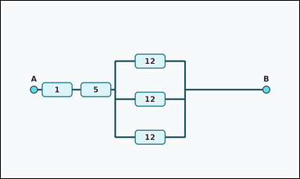 | 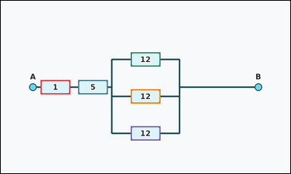 | task_physics_circuits_equivalent_resistance | total_resistance | You are given an image with one resistor network between terminals A and B that combines a short series chain with a parallel resistor bank. Work from the labeled resistor boxes between terminals A and B. What is the total equivalent resistance between terminals A and B? Answer with an integer number of ohms. Return a valid JSON object with keys "evidence" and "answer" in that order. Evidence format: set "evidence" to an array of bounding boxes [x1, y1, x2, y2] for all resistor boxes that belong to the network between terminals A and B. Answer requirement: set "answer" to the total equivalent resistance between terminals A and B as an integer number of ohms. Example JSON: {"evidence":[[322,167,418,213],[322,257,418,303],[322,347,418,393]],"answer":2} | You are given an image with one resistor network between terminals A and B that combines a short series chain with a parallel resistor bank. Work from the labeled resistor boxes between terminals A and B. What is the total equivalent resistance between terminals A and B? Answer with an integer number of ohms. Return a valid JSON object with key "answer". Answer field: set "answer" to the total equivalent resistance between terminals A and B as an integer number of ohms. Example JSON: {"answer":2} | {"evidence": [[129.0, 257.0, 225.0, 303.0], [251.0, 257.0, 347.0, 303.0], [422.0, 167.0, 518.0, 213.0], [422.0, 287.0, 518.0, 333.0], [422.0, 407.0, 518.0, 453.0]], "answer": 10} | [[129.0, 257.0, 225.0, 303.0], [251.0, 257.0, 347.0, 303.0], [422.0, 167.0, 518.0, 213.0], [422.0, 287.0, 518.0, 333.0], [422.0, 407.0, 518.0, 453.0]] | integer | bbox_set | 141028188354687 | physics/task_physics_circuits_equivalent_resistance/images/default/0004.png | physics/task_physics_circuits_equivalent_resistance/data/default/0004.json
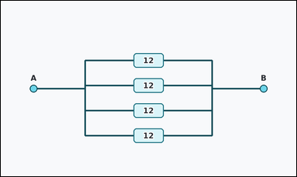 | 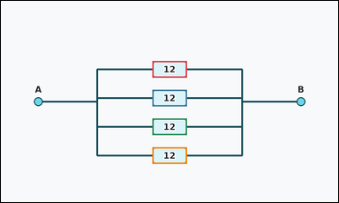 | task_physics_circuits_equivalent_resistance | total_resistance | Use the circuit diagram in the image. It shows one resistor network between terminals A and B with three or four parallel labeled resistor branches. Answer using only the resistor values shown in the network. What is the total equivalent resistance between terminals A and B? Answer with an integer number of ohms. Return a valid JSON object with keys "evidence" and "answer" in that order. Evidence: set "evidence" to an array of bounding boxes [x1, y1, x2, y2] for all resistor boxes that belong to the network between terminals A and B. Answer: set "answer" to the total equivalent resistance between terminals A and B as an integer number of ohms. Example JSON: {"evidence":[[322,167,418,213],[322,257,418,303],[322,347,418,393]],"answer":2} | Use the circuit diagram in the image. It shows one resistor network between terminals A and B with three or four parallel labeled resistor branches. Answer using only the resistor values shown in the network. What is the total equivalent resistance between terminals A and B? Answer with an integer number of ohms. Return a valid JSON object with key "answer". Answer rule: set "answer" to the total equivalent resistance between terminals A and B as an integer number of ohms. Example JSON: {"answer":2} | {"evidence": [[422.0, 167.0, 518.0, 213.0], [422.0, 247.0, 518.0, 293.0], [422.0, 327.0, 518.0, 373.0], [422.0, 407.0, 518.0, 453.0]], "answer": 3} | [[422.0, 167.0, 518.0, 213.0], [422.0, 247.0, 518.0, 293.0], [422.0, 327.0, 518.0, 373.0], [422.0, 407.0, 518.0, 453.0]] | integer | bbox_set | 173078022734026 | physics/task_physics_circuits_equivalent_resistance/images/default/0009.png | physics/task_physics_circuits_equivalent_resistance/data/default/0009.json
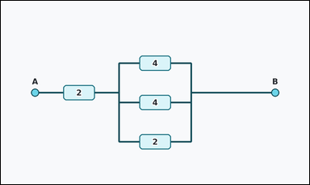 | 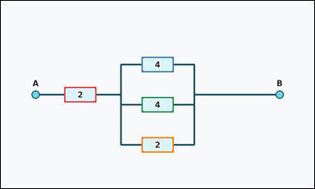 | task_physics_circuits_equivalent_resistance | total_resistance | Look at the resistor-network diagram in the image. It shows one resistor network between terminals A and B that combines a short series chain with a parallel resistor bank. Read the resistor values and determine the requested equivalent resistance. Using the resistor values shown, what equivalent resistance is seen between terminals A and B? Answer with an integer number of ohms. Return a valid JSON object with keys "evidence" and "answer" in that order. Evidence field: set "evidence" to an array of bounding boxes [x1, y1, x2, y2] for all resistor boxes that belong to the network between terminals A and B. Answer field: set "answer" to the total equivalent resistance between terminals A and B as an integer number of ohms. Example JSON: {"evidence":[[322,167,418,213],[322,257,418,303],[322,347,418,393]],"answer":2} | Look at the resistor-network diagram in the image. It shows one resistor network between terminals A and B that combines a short series chain with a parallel resistor bank. Read the resistor values and determine the requested equivalent resistance. Using the resistor values shown, what equivalent resistance is seen between terminals A and B? Answer with an integer number of ohms. Return a valid JSON object with key "answer". Answer field: set "answer" to the total equivalent resistance between terminals A and B as an integer number of ohms. Example JSON: {"answer":2} | {"evidence": [[190.0, 257.0, 286.0, 303.0], [422.0, 167.0, 518.0, 213.0], [422.0, 287.0, 518.0, 333.0], [422.0, 407.0, 518.0, 453.0]], "answer": 3} | [[190.0, 257.0, 286.0, 303.0], [422.0, 167.0, 518.0, 213.0], [422.0, 287.0, 518.0, 333.0], [422.0, 407.0, 518.0, 453.0]] | integer | bbox_set | 1.1251832937E+15 | physics/task_physics_circuits_equivalent_resistance/images/default/0002.png | physics/task_physics_circuits_equivalent_resistance/data/default/0002.json
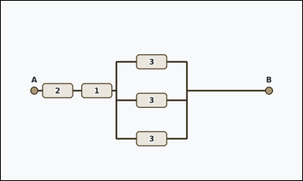 | 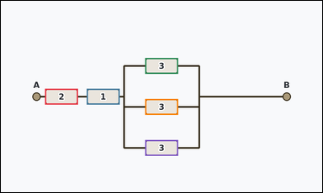 | task_physics_circuits_equivalent_resistance | total_resistance | You are given an image with one resistor network between terminals A and B that combines a short series chain with a parallel resistor bank. Read the resistor values and determine the requested equivalent resistance. Using the resistor values shown, what equivalent resistance is seen between terminals A and B? Answer with an integer number of ohms. Return a valid JSON object with keys "evidence" and "answer" in that order. Evidence requirement: set "evidence" to an array of bounding boxes [x1, y1, x2, y2] for all resistor boxes that belong to the network between terminals A and B. Answer format: set "answer" to the total equivalent resistance between terminals A and B as an integer number of ohms. Example JSON: {"evidence":[[322,167,418,213],[322,257,418,303],[322,347,418,393]],"answer":2} | You are given an image with one resistor network between terminals A and B that combines a short series chain with a parallel resistor bank. Read the resistor values and determine the requested equivalent resistance. Using the resistor values shown, what equivalent resistance is seen between terminals A and B? Answer with an integer number of ohms. Return a valid JSON object with key "answer". Answer: set "answer" to the total equivalent resistance between terminals A and B as an integer number of ohms. Example JSON: {"answer":2} | {"evidence": [[129.0, 257.0, 225.0, 303.0], [251.0, 257.0, 347.0, 303.0], [422.0, 167.0, 518.0, 213.0], [422.0, 287.0, 518.0, 333.0], [422.0, 407.0, 518.0, 453.0]], "answer": 4} | [[129.0, 257.0, 225.0, 303.0], [251.0, 257.0, 347.0, 303.0], [422.0, 167.0, 518.0, 213.0], [422.0, 287.0, 518.0, 333.0], [422.0, 407.0, 518.0, 453.0]] | integer | bbox_set | 1.2239953862E+15 | physics/task_physics_circuits_equivalent_resistance/images/default/0010.png | physics/task_physics_circuits_equivalent_resistance/data/default/0010.json
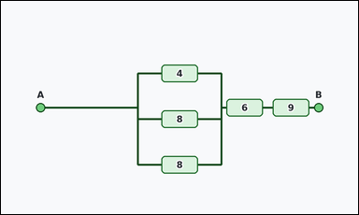 | 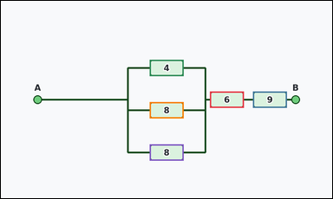 | task_physics_circuits_equivalent_resistance | total_resistance | You are given an image with one resistor network between terminals A and B that combines a short series chain with a parallel resistor bank. Work from the labeled resistor boxes between terminals A and B. What is the total equivalent resistance between terminals A and B? Answer with an integer number of ohms. Return a valid JSON object with keys "evidence" and "answer" in that order. Evidence requirement: set "evidence" to an array of bounding boxes [x1, y1, x2, y2] for all resistor boxes that belong to the network between terminals A and B. Answer format: set "answer" to the total equivalent resistance between terminals A and B as an integer number of ohms. Example JSON: {"evidence":[[322,167,418,213],[322,257,418,303],[322,347,418,393]],"answer":2} | You are given an image with one resistor network between terminals A and B that combines a short series chain with a parallel resistor bank. Work from the labeled resistor boxes between terminals A and B. What is the total equivalent resistance between terminals A and B? Answer with an integer number of ohms. Return a valid JSON object with key "answer". Answer requirement: set "answer" to the total equivalent resistance between terminals A and B as an integer number of ohms. Example JSON: {"answer":2} | {"evidence": [[593.0, 257.0, 689.0, 303.0], [715.0, 257.0, 811.0, 303.0], [422.0, 167.0, 518.0, 213.0], [422.0, 287.0, 518.0, 333.0], [422.0, 407.0, 518.0, 453.0]], "answer": 17} | [[593.0, 257.0, 689.0, 303.0], [715.0, 257.0, 811.0, 303.0], [422.0, 167.0, 518.0, 213.0], [422.0, 287.0, 518.0, 333.0], [422.0, 407.0, 518.0, 453.0]] | integer | bbox_set | 1.2451125311E+15 | physics/task_physics_circuits_equivalent_resistance/images/default/0023.png | physics/task_physics_circuits_equivalent_resistance/data/default/0023.json
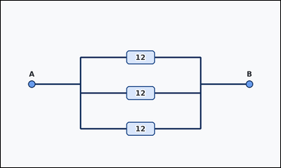 | 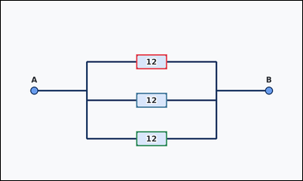 | task_physics_circuits_equivalent_resistance | total_resistance | Look at the resistor-network diagram in the image. It shows one resistor network between terminals A and B with three or four parallel labeled resistor branches. Use the resistor values shown in the boxes to answer the question. What integer equivalent resistance does this resistor network have between A and B? Return a valid JSON object with keys "evidence" and "answer" in that order. Evidence format: set "evidence" to an array of bounding boxes [x1, y1, x2, y2] for all resistor boxes that belong to the network between terminals A and B. Answer requirement: set "answer" to the total equivalent resistance between terminals A and B as an integer number of ohms. Example JSON: {"evidence":[[322,167,418,213],[322,257,418,303],[322,347,418,393]],"answer":2} | Look at the resistor-network diagram in the image. It shows one resistor network between terminals A and B with three or four parallel labeled resistor branches. Use the resistor values shown in the boxes to answer the question. What integer equivalent resistance does this resistor network have between A and B? Return a valid JSON object with key "answer". Answer field: set "answer" to the total equivalent resistance between terminals A and B as an integer number of ohms. Example JSON: {"answer":2} | {"evidence": [[422.0, 167.0, 518.0, 213.0], [422.0, 287.0, 518.0, 333.0], [422.0, 407.0, 518.0, 453.0]], "answer": 4} | [[422.0, 167.0, 518.0, 213.0], [422.0, 287.0, 518.0, 333.0], [422.0, 407.0, 518.0, 453.0]] | integer | bbox_set | 1.5337128784E+15 | physics/task_physics_circuits_equivalent_resistance/images/default/0022.png | physics/task_physics_circuits_equivalent_resistance/data/default/0022.json
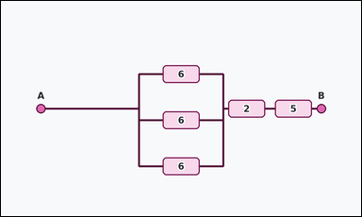 | 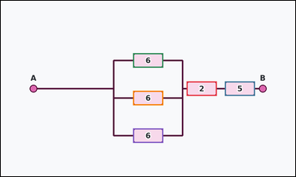 | task_physics_circuits_equivalent_resistance | total_resistance | The image shows one resistor network between terminals A and B that combines a short series chain with a parallel resistor bank. Read the resistor values and determine the requested equivalent resistance. Using the resistor values shown, what equivalent resistance is seen between terminals A and B? Answer with an integer number of ohms. Return a valid JSON object with keys "evidence" and "answer" in that order. Evidence rule: set "evidence" to an array of bounding boxes [x1, y1, x2, y2] for all resistor boxes that belong to the network between terminals A and B. Answer rule: set "answer" to the total equivalent resistance between terminals A and B as an integer number of ohms. Example JSON: {"evidence":[[322,167,418,213],[322,257,418,303],[322,347,418,393]],"answer":2} | The image shows one resistor network between terminals A and B that combines a short series chain with a parallel resistor bank. Read the resistor values and determine the requested equivalent resistance. Using the resistor values shown, what equivalent resistance is seen between terminals A and B? Answer with an integer number of ohms. Return a valid JSON object with key "answer". Answer: set "answer" to the total equivalent resistance between terminals A and B as an integer number of ohms. Example JSON: {"answer":2} | {"evidence": [[593.0, 257.0, 689.0, 303.0], [715.0, 257.0, 811.0, 303.0], [422.0, 167.0, 518.0, 213.0], [422.0, 287.0, 518.0, 333.0], [422.0, 407.0, 518.0, 453.0]], "answer": 9} | [[593.0, 257.0, 689.0, 303.0], [715.0, 257.0, 811.0, 303.0], [422.0, 167.0, 518.0, 213.0], [422.0, 287.0, 518.0, 333.0], [422.0, 407.0, 518.0, 453.0]] | integer | bbox_set | 1.6070669703E+15 | physics/task_physics_circuits_equivalent_resistance/images/default/0000.png | physics/task_physics_circuits_equivalent_resistance/data/default/0000.json
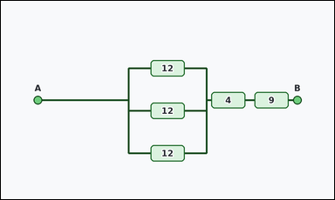 | 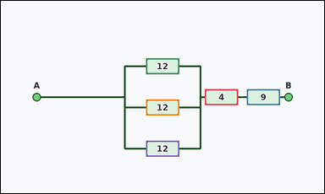 | task_physics_circuits_equivalent_resistance | total_resistance | Use the circuit diagram in the image. It shows one resistor network between terminals A and B that combines a short series chain with a parallel resistor bank. Use the resistor values shown in the boxes to answer the question. Determine the network's total resistance between A and B. Answer with an integer number of ohms. Return a valid JSON object with keys "evidence" and "answer" in that order. Evidence: set "evidence" to an array of bounding boxes [x1, y1, x2, y2] for all resistor boxes that belong to the network between terminals A and B. Answer: set "answer" to the total equivalent resistance between terminals A and B as an integer number of ohms. Example JSON: {"evidence":[[322,167,418,213],[322,257,418,303],[322,347,418,393]],"answer":2} | Use the circuit diagram in the image. It shows one resistor network between terminals A and B that combines a short series chain with a parallel resistor bank. Use the resistor values shown in the boxes to answer the question. Determine the network's total resistance between A and B. Answer with an integer number of ohms. Return a valid JSON object with key "answer". Answer rule: set "answer" to the total equivalent resistance between terminals A and B as an integer number of ohms. Example JSON: {"answer":2} | {"evidence": [[593.0, 257.0, 689.0, 303.0], [715.0, 257.0, 811.0, 303.0], [422.0, 167.0, 518.0, 213.0], [422.0, 287.0, 518.0, 333.0], [422.0, 407.0, 518.0, 453.0]], "answer": 17} | [[593.0, 257.0, 689.0, 303.0], [715.0, 257.0, 811.0, 303.0], [422.0, 167.0, 518.0, 213.0], [422.0, 287.0, 518.0, 333.0], [422.0, 407.0, 518.0, 453.0]] | integer | bbox_set | 1.9518697313E+15 | physics/task_physics_circuits_equivalent_resistance/images/default/0016.png | physics/task_physics_circuits_equivalent_resistance/data/default/0016.json
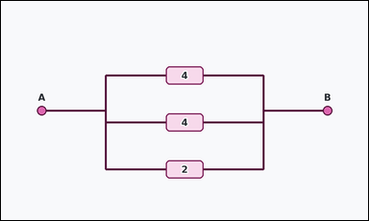 | 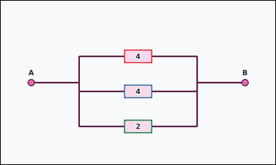 | task_physics_circuits_equivalent_resistance | total_resistance | Use the circuit diagram in the image. It shows one resistor network between terminals A and B with three or four parallel labeled resistor branches. Work from the labeled resistor boxes between terminals A and B. What integer equivalent resistance does this resistor network have between A and B? Return a valid JSON object with keys "evidence" and "answer" in that order. Evidence requirement: set "evidence" to an array of bounding boxes [x1, y1, x2, y2] for all resistor boxes that belong to the network between terminals A and B. Answer format: set "answer" to the total equivalent resistance between terminals A and B as an integer number of ohms. Example JSON: {"evidence":[[322,167,418,213],[322,257,418,303],[322,347,418,393]],"answer":2} | Use the circuit diagram in the image. It shows one resistor network between terminals A and B with three or four parallel labeled resistor branches. Work from the labeled resistor boxes between terminals A and B. What integer equivalent resistance does this resistor network have between A and B? Return a valid JSON object with key "answer". Answer: set "answer" to the total equivalent resistance between terminals A and B as an integer number of ohms. Example JSON: {"answer":2} | {"evidence": [[422.0, 167.0, 518.0, 213.0], [422.0, 287.0, 518.0, 333.0], [422.0, 407.0, 518.0, 453.0]], "answer": 1} | [[422.0, 167.0, 518.0, 213.0], [422.0, 287.0, 518.0, 333.0], [422.0, 407.0, 518.0, 453.0]] | integer | bbox_set | 2.2719220674E+15 | physics/task_physics_circuits_equivalent_resistance/images/default/0024.png | physics/task_physics_circuits_equivalent_resistance/data/default/0024.json
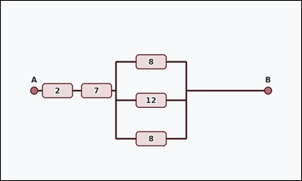 | 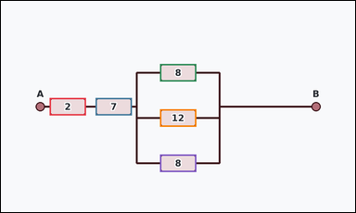 | task_physics_circuits_equivalent_resistance | total_resistance | Work from the resistor-network diagram shown in the image: one resistor network between terminals A and B that combines a short series chain with a parallel resistor bank. Use the resistor values shown in the boxes to answer the question. What is the total equivalent resistance between terminals A and B? Answer with an integer number of ohms. Return a valid JSON object with keys "evidence" and "answer" in that order. Evidence rule: set "evidence" to an array of bounding boxes [x1, y1, x2, y2] for all resistor boxes that belong to the network between terminals A and B. Answer rule: set "answer" to the total equivalent resistance between terminals A and B as an integer number of ohms. Example JSON: {"evidence":[[322,167,418,213],[322,257,418,303],[322,347,418,393]],"answer":2} | Work from the resistor-network diagram shown in the image: one resistor network between terminals A and B that combines a short series chain with a parallel resistor bank. Use the resistor values shown in the boxes to answer the question. What is the total equivalent resistance between terminals A and B? Answer with an integer number of ohms. Return a valid JSON object with key "answer". Answer requirement: set "answer" to the total equivalent resistance between terminals A and B as an integer number of ohms. Example JSON: {"answer":2} | {"evidence": [[129.0, 257.0, 225.0, 303.0], [251.0, 257.0, 347.0, 303.0], [422.0, 167.0, 518.0, 213.0], [422.0, 287.0, 518.0, 333.0], [422.0, 407.0, 518.0, 453.0]], "answer": 12} | [[129.0, 257.0, 225.0, 303.0], [251.0, 257.0, 347.0, 303.0], [422.0, 167.0, 518.0, 213.0], [422.0, 287.0, 518.0, 333.0], [422.0, 407.0, 518.0, 453.0]] | integer | bbox_set | 2.2996053365E+15 | physics/task_physics_circuits_equivalent_resistance/images/default/0007.png | physics/task_physics_circuits_equivalent_resistance/data/default/0007.json
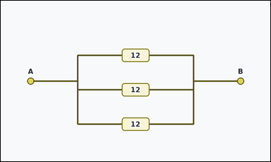 | 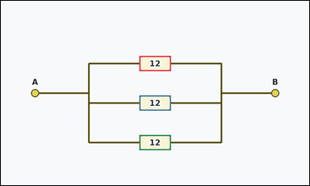 | task_physics_circuits_equivalent_resistance | total_resistance | Look at the resistor-network diagram in the image. It shows one resistor network between terminals A and B with three or four parallel labeled resistor branches. Work from the labeled resistor boxes between terminals A and B. What integer equivalent resistance does this resistor network have between A and B? Return a valid JSON object with keys "evidence" and "answer" in that order. Evidence format: set "evidence" to an array of bounding boxes [x1, y1, x2, y2] for all resistor boxes that belong to the network between terminals A and B. Answer requirement: set "answer" to the total equivalent resistance between terminals A and B as an integer number of ohms. Example JSON: {"evidence":[[322,167,418,213],[322,257,418,303],[322,347,418,393]],"answer":2} | Look at the resistor-network diagram in the image. It shows one resistor network between terminals A and B with three or four parallel labeled resistor branches. Work from the labeled resistor boxes between terminals A and B. What integer equivalent resistance does this resistor network have between A and B? Return a valid JSON object with key "answer". Answer format: set "answer" to the total equivalent resistance between terminals A and B as an integer number of ohms. Example JSON: {"answer":2} | {"evidence": [[422.0, 167.0, 518.0, 213.0], [422.0, 287.0, 518.0, 333.0], [422.0, 407.0, 518.0, 453.0]], "answer": 4} | [[422.0, 167.0, 518.0, 213.0], [422.0, 287.0, 518.0, 333.0], [422.0, 407.0, 518.0, 453.0]] | integer | bbox_set | 3.3456199498E+15 | physics/task_physics_circuits_equivalent_resistance/images/default/0012.png | physics/task_physics_circuits_equivalent_resistance/data/default/0012.json
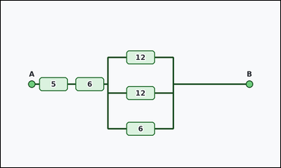 | 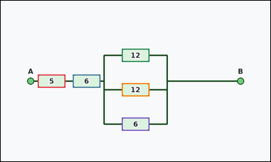 | task_physics_circuits_equivalent_resistance | total_resistance | Look at the resistor-network diagram in the image. It shows one resistor network between terminals A and B that combines a short series chain with a parallel resistor bank. Use the resistor values shown in the boxes to answer the question. Determine the network's total resistance between A and B. Answer with an integer number of ohms. Return a valid JSON object with keys "evidence" and "answer" in that order. Evidence rule: set "evidence" to an array of bounding boxes [x1, y1, x2, y2] for all resistor boxes that belong to the network between terminals A and B. Answer rule: set "answer" to the total equivalent resistance between terminals A and B as an integer number of ohms. Example JSON: {"evidence":[[322,167,418,213],[322,257,418,303],[322,347,418,393]],"answer":2} | Look at the resistor-network diagram in the image. It shows one resistor network between terminals A and B that combines a short series chain with a parallel resistor bank. Use the resistor values shown in the boxes to answer the question. Determine the network's total resistance between A and B. Answer with an integer number of ohms. Return a valid JSON object with key "answer". Answer: set "answer" to the total equivalent resistance between terminals A and B as an integer number of ohms. Example JSON: {"answer":2} | {"evidence": [[129.0, 257.0, 225.0, 303.0], [251.0, 257.0, 347.0, 303.0], [422.0, 167.0, 518.0, 213.0], [422.0, 287.0, 518.0, 333.0], [422.0, 407.0, 518.0, 453.0]], "answer": 14} | [[129.0, 257.0, 225.0, 303.0], [251.0, 257.0, 347.0, 303.0], [422.0, 167.0, 518.0, 213.0], [422.0, 287.0, 518.0, 333.0], [422.0, 407.0, 518.0, 453.0]] | integer | bbox_set | 3.3801738888E+15 | physics/task_physics_circuits_equivalent_resistance/images/default/0011.png | physics/task_physics_circuits_equivalent_resistance/data/default/0011.json
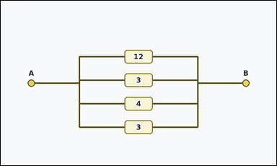 | 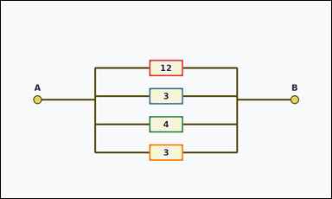 | task_physics_circuits_equivalent_resistance | total_resistance | Use the circuit diagram in the image. It shows one resistor network between terminals A and B with three or four parallel labeled resistor branches. Answer using only the resistor values shown in the network. Using the resistor values shown, what equivalent resistance is seen between terminals A and B? Answer with an integer number of ohms. Return a valid JSON object with keys "evidence" and "answer" in that order. Evidence format: set "evidence" to an array of bounding boxes [x1, y1, x2, y2] for all resistor boxes that belong to the network between terminals A and B. Answer requirement: set "answer" to the total equivalent resistance between terminals A and B as an integer number of ohms. Example JSON: {"evidence":[[322,167,418,213],[322,257,418,303],[322,347,418,393]],"answer":2} | Use the circuit diagram in the image. It shows one resistor network between terminals A and B with three or four parallel labeled resistor branches. Answer using only the resistor values shown in the network. Using the resistor values shown, what equivalent resistance is seen between terminals A and B? Answer with an integer number of ohms. Return a valid JSON object with key "answer". Answer: set "answer" to the total equivalent resistance between terminals A and B as an integer number of ohms. Example JSON: {"answer":2} | {"evidence": [[422.0, 167.0, 518.0, 213.0], [422.0, 247.0, 518.0, 293.0], [422.0, 327.0, 518.0, 373.0], [422.0, 407.0, 518.0, 453.0]], "answer": 1} | [[422.0, 167.0, 518.0, 213.0], [422.0, 247.0, 518.0, 293.0], [422.0, 327.0, 518.0, 373.0], [422.0, 407.0, 518.0, 453.0]] | integer | bbox_set | 3.8269165087E+15 | physics/task_physics_circuits_equivalent_resistance/images/default/0003.png | physics/task_physics_circuits_equivalent_resistance/data/default/0003.json
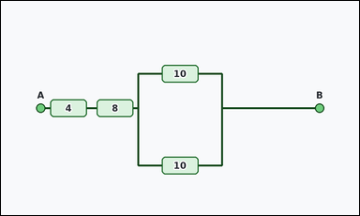 | 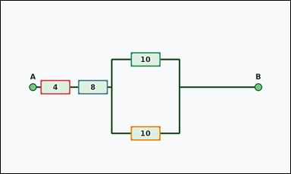 | task_physics_circuits_equivalent_resistance | total_resistance | Work from the resistor-network diagram shown in the image: one resistor network between terminals A and B that combines a short series chain with a parallel resistor bank. Answer using only the resistor values shown in the network. Read the circuit between terminals A and B. What is its total equivalent resistance? Answer with an integer number of ohms. Return a valid JSON object with keys "evidence" and "answer" in that order. Evidence: set "evidence" to an array of bounding boxes [x1, y1, x2, y2] for all resistor boxes that belong to the network between terminals A and B. Answer: set "answer" to the total equivalent resistance between terminals A and B as an integer number of ohms. Example JSON: {"evidence":[[322,167,418,213],[322,257,418,303],[322,347,418,393]],"answer":2} | Work from the resistor-network diagram shown in the image: one resistor network between terminals A and B that combines a short series chain with a parallel resistor bank. Answer using only the resistor values shown in the network. Read the circuit between terminals A and B. What is its total equivalent resistance? Answer with an integer number of ohms. Return a valid JSON object with key "answer". Answer: set "answer" to the total equivalent resistance between terminals A and B as an integer number of ohms. Example JSON: {"answer":2} | {"evidence": [[129.0, 257.0, 225.0, 303.0], [251.0, 257.0, 347.0, 303.0], [422.0, 167.0, 518.0, 213.0], [422.0, 407.0, 518.0, 453.0]], "answer": 17} | [[129.0, 257.0, 225.0, 303.0], [251.0, 257.0, 347.0, 303.0], [422.0, 167.0, 518.0, 213.0], [422.0, 407.0, 518.0, 453.0]] | integer | bbox_set | 3.8897044988E+15 | physics/task_physics_circuits_equivalent_resistance/images/default/0006.png | physics/task_physics_circuits_equivalent_resistance/data/default/0006.json
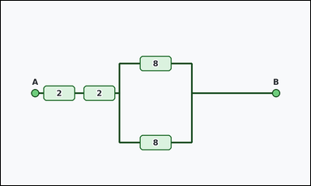 | 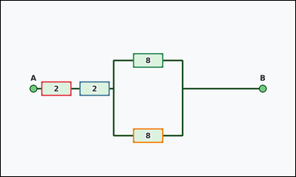 | task_physics_circuits_equivalent_resistance | total_resistance | Use the circuit diagram in the image. It shows one resistor network between terminals A and B that combines a short series chain with a parallel resistor bank. Determine the requested equivalent resistance from the diagram. Determine the network's total resistance between A and B. Answer with an integer number of ohms. Return a valid JSON object with keys "evidence" and "answer" in that order. Evidence: set "evidence" to an array of bounding boxes [x1, y1, x2, y2] for all resistor boxes that belong to the network between terminals A and B. Answer: set "answer" to the total equivalent resistance between terminals A and B as an integer number of ohms. Example JSON: {"evidence":[[322,167,418,213],[322,257,418,303],[322,347,418,393]],"answer":2} | Use the circuit diagram in the image. It shows one resistor network between terminals A and B that combines a short series chain with a parallel resistor bank. Determine the requested equivalent resistance from the diagram. Determine the network's total resistance between A and B. Answer with an integer number of ohms. Return a valid JSON object with key "answer". Answer: set "answer" to the total equivalent resistance between terminals A and B as an integer number of ohms. Example JSON: {"answer":2} | {"evidence": [[129.0, 257.0, 225.0, 303.0], [251.0, 257.0, 347.0, 303.0], [422.0, 167.0, 518.0, 213.0], [422.0, 407.0, 518.0, 453.0]], "answer": 8} | [[129.0, 257.0, 225.0, 303.0], [251.0, 257.0, 347.0, 303.0], [422.0, 167.0, 518.0, 213.0], [422.0, 407.0, 518.0, 453.0]] | integer | bbox_set | 3.9013983682E+15 | physics/task_physics_circuits_equivalent_resistance/images/default/0021.png | physics/task_physics_circuits_equivalent_resistance/data/default/0021.json
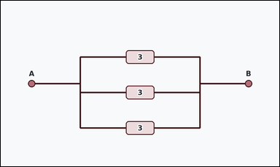 | 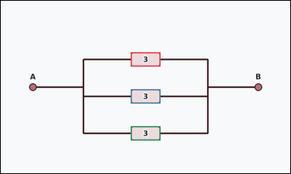 | task_physics_circuits_equivalent_resistance | total_resistance | Look at the resistor-network diagram in the image. It shows one resistor network between terminals A and B with three or four parallel labeled resistor branches. Work from the labeled resistor boxes between terminals A and B. What integer equivalent resistance does this resistor network have between A and B? Return a valid JSON object with keys "evidence" and "answer" in that order. Evidence requirement: set "evidence" to an array of bounding boxes [x1, y1, x2, y2] for all resistor boxes that belong to the network between terminals A and B. Answer format: set "answer" to the total equivalent resistance between terminals A and B as an integer number of ohms. Example JSON: {"evidence":[[322,167,418,213],[322,257,418,303],[322,347,418,393]],"answer":2} | Look at the resistor-network diagram in the image. It shows one resistor network between terminals A and B with three or four parallel labeled resistor branches. Work from the labeled resistor boxes between terminals A and B. What integer equivalent resistance does this resistor network have between A and B? Return a valid JSON object with key "answer". Answer: set "answer" to the total equivalent resistance between terminals A and B as an integer number of ohms. Example JSON: {"answer":2} | {"evidence": [[422.0, 167.0, 518.0, 213.0], [422.0, 287.0, 518.0, 333.0], [422.0, 407.0, 518.0, 453.0]], "answer": 1} | [[422.0, 167.0, 518.0, 213.0], [422.0, 287.0, 518.0, 333.0], [422.0, 407.0, 518.0, 453.0]] | integer | bbox_set | 4.668544631E+15 | physics/task_physics_circuits_equivalent_resistance/images/default/0017.png | physics/task_physics_circuits_equivalent_resistance/data/default/0017.json
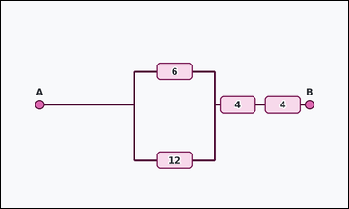 | 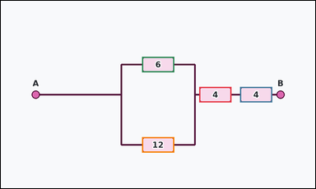 | task_physics_circuits_equivalent_resistance | total_resistance | The image shows one resistor network between terminals A and B that combines a short series chain with a parallel resistor bank. Read the resistor values and determine the requested equivalent resistance. What integer equivalent resistance does this resistor network have between A and B? Return a valid JSON object with keys "evidence" and "answer" in that order. Evidence format: set "evidence" to an array of bounding boxes [x1, y1, x2, y2] for all resistor boxes that belong to the network between terminals A and B. Answer requirement: set "answer" to the total equivalent resistance between terminals A and B as an integer number of ohms. Example JSON: {"evidence":[[322,167,418,213],[322,257,418,303],[322,347,418,393]],"answer":2} | The image shows one resistor network between terminals A and B that combines a short series chain with a parallel resistor bank. Read the resistor values and determine the requested equivalent resistance. What integer equivalent resistance does this resistor network have between A and B? Return a valid JSON object with key "answer". Answer: set "answer" to the total equivalent resistance between terminals A and B as an integer number of ohms. Example JSON: {"answer":2} | {"evidence": [[593.0, 257.0, 689.0, 303.0], [715.0, 257.0, 811.0, 303.0], [422.0, 167.0, 518.0, 213.0], [422.0, 407.0, 518.0, 453.0]], "answer": 12} | [[593.0, 257.0, 689.0, 303.0], [715.0, 257.0, 811.0, 303.0], [422.0, 167.0, 518.0, 213.0], [422.0, 407.0, 518.0, 453.0]] | integer | bbox_set | 4.9476513781E+15 | physics/task_physics_circuits_equivalent_resistance/images/default/0014.png | physics/task_physics_circuits_equivalent_resistance/data/default/0014.json
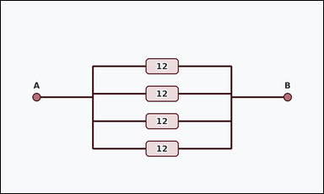 | 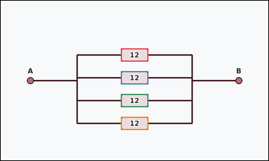 | task_physics_circuits_equivalent_resistance | total_resistance | The image shows one resistor network between terminals A and B with three or four parallel labeled resistor branches. Use the resistor values shown in the boxes to answer the question. What integer equivalent resistance does this resistor network have between A and B? Return a valid JSON object with keys "evidence" and "answer" in that order. Evidence rule: set "evidence" to an array of bounding boxes [x1, y1, x2, y2] for all resistor boxes that belong to the network between terminals A and B. Answer rule: set "answer" to the total equivalent resistance between terminals A and B as an integer number of ohms. Example JSON: {"evidence":[[322,167,418,213],[322,257,418,303],[322,347,418,393]],"answer":2} | The image shows one resistor network between terminals A and B with three or four parallel labeled resistor branches. Use the resistor values shown in the boxes to answer the question. What integer equivalent resistance does this resistor network have between A and B? Return a valid JSON object with key "answer". Answer requirement: set "answer" to the total equivalent resistance between terminals A and B as an integer number of ohms. Example JSON: {"answer":2} | {"evidence": [[422.0, 167.0, 518.0, 213.0], [422.0, 247.0, 518.0, 293.0], [422.0, 327.0, 518.0, 373.0], [422.0, 407.0, 518.0, 453.0]], "answer": 3} | [[422.0, 167.0, 518.0, 213.0], [422.0, 247.0, 518.0, 293.0], [422.0, 327.0, 518.0, 373.0], [422.0, 407.0, 518.0, 453.0]] | integer | bbox_set | 5.1381986246E+15 | physics/task_physics_circuits_equivalent_resistance/images/default/0019.png | physics/task_physics_circuits_equivalent_resistance/data/default/0019.json
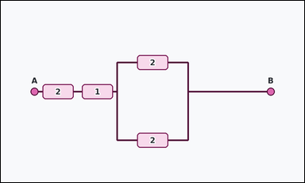 | 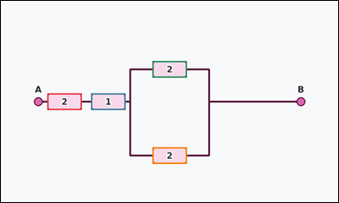 | task_physics_circuits_equivalent_resistance | total_resistance | Look at the resistor-network diagram in the image. It shows one resistor network between terminals A and B that combines a short series chain with a parallel resistor bank. Work from the labeled resistor boxes between terminals A and B. What integer equivalent resistance does this resistor network have between A and B? Return a valid JSON object with keys "evidence" and "answer" in that order. Evidence requirement: set "evidence" to an array of bounding boxes [x1, y1, x2, y2] for all resistor boxes that belong to the network between terminals A and B. Answer format: set "answer" to the total equivalent resistance between terminals A and B as an integer number of ohms. Example JSON: {"evidence":[[322,167,418,213],[322,257,418,303],[322,347,418,393]],"answer":2} | Look at the resistor-network diagram in the image. It shows one resistor network between terminals A and B that combines a short series chain with a parallel resistor bank. Work from the labeled resistor boxes between terminals A and B. What integer equivalent resistance does this resistor network have between A and B? Return a valid JSON object with key "answer". Answer rule: set "answer" to the total equivalent resistance between terminals A and B as an integer number of ohms. Example JSON: {"answer":2} | {"evidence": [[129.0, 257.0, 225.0, 303.0], [251.0, 257.0, 347.0, 303.0], [422.0, 167.0, 518.0, 213.0], [422.0, 407.0, 518.0, 453.0]], "answer": 4} | [[129.0, 257.0, 225.0, 303.0], [251.0, 257.0, 347.0, 303.0], [422.0, 167.0, 518.0, 213.0], [422.0, 407.0, 518.0, 453.0]] | integer | bbox_set | 5.2952553709E+15 | physics/task_physics_circuits_equivalent_resistance/images/default/0008.png | physics/task_physics_circuits_equivalent_resistance/data/default/0008.json
 | 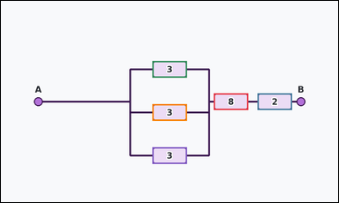 | task_physics_circuits_equivalent_resistance | total_resistance | The image shows one resistor network between terminals A and B that combines a short series chain with a parallel resistor bank. Determine the requested equivalent resistance from the diagram. Using the resistor values shown, what equivalent resistance is seen between terminals A and B? Answer with an integer number of ohms. Return a valid JSON object with keys "evidence" and "answer" in that order. Evidence: set "evidence" to an array of bounding boxes [x1, y1, x2, y2] for all resistor boxes that belong to the network between terminals A and B. Answer: set "answer" to the total equivalent resistance between terminals A and B as an integer number of ohms. Example JSON: {"evidence":[[322,167,418,213],[322,257,418,303],[322,347,418,393]],"answer":2} | The image shows one resistor network between terminals A and B that combines a short series chain with a parallel resistor bank. Determine the requested equivalent resistance from the diagram. Using the resistor values shown, what equivalent resistance is seen between terminals A and B? Answer with an integer number of ohms. Return a valid JSON object with key "answer". Answer field: set "answer" to the total equivalent resistance between terminals A and B as an integer number of ohms. Example JSON: {"answer":2} | {"evidence": [[593.0, 257.0, 689.0, 303.0], [715.0, 257.0, 811.0, 303.0], [422.0, 167.0, 518.0, 213.0], [422.0, 287.0, 518.0, 333.0], [422.0, 407.0, 518.0, 453.0]], "answer": 11} | [[593.0, 257.0, 689.0, 303.0], [715.0, 257.0, 811.0, 303.0], [422.0, 167.0, 518.0, 213.0], [422.0, 287.0, 518.0, 333.0], [422.0, 407.0, 518.0, 453.0]] | integer | bbox_set | 7.2498628711E+15 | physics/task_physics_circuits_equivalent_resistance/images/default/0018.png | physics/task_physics_circuits_equivalent_resistance/data/default/0018.json
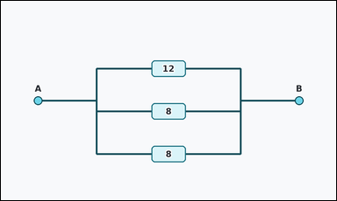 | 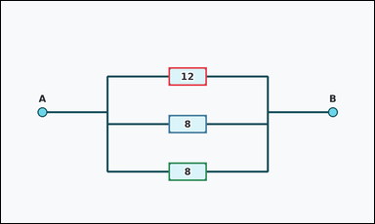 | task_physics_circuits_equivalent_resistance | total_resistance | The image shows one resistor network between terminals A and B with three or four parallel labeled resistor branches. Determine the requested equivalent resistance from the diagram. Using the resistor values shown, what equivalent resistance is seen between terminals A and B? Answer with an integer number of ohms. Return a valid JSON object with keys "evidence" and "answer" in that order. Evidence rule: set "evidence" to an array of bounding boxes [x1, y1, x2, y2] for all resistor boxes that belong to the network between terminals A and B. Answer rule: set "answer" to the total equivalent resistance between terminals A and B as an integer number of ohms. Example JSON: {"evidence":[[322,167,418,213],[322,257,418,303],[322,347,418,393]],"answer":2} | The image shows one resistor network between terminals A and B with three or four parallel labeled resistor branches. Determine the requested equivalent resistance from the diagram. Using the resistor values shown, what equivalent resistance is seen between terminals A and B? Answer with an integer number of ohms. Return a valid JSON object with key "answer". Answer requirement: set "answer" to the total equivalent resistance between terminals A and B as an integer number of ohms. Example JSON: {"answer":2} | {"evidence": [[422.0, 167.0, 518.0, 213.0], [422.0, 287.0, 518.0, 333.0], [422.0, 407.0, 518.0, 453.0]], "answer": 3} | [[422.0, 167.0, 518.0, 213.0], [422.0, 287.0, 518.0, 333.0], [422.0, 407.0, 518.0, 453.0]] | integer | bbox_set | 7.9853430176E+15 | physics/task_physics_circuits_equivalent_resistance/images/default/0005.png | physics/task_physics_circuits_equivalent_resistance/data/default/0005.json
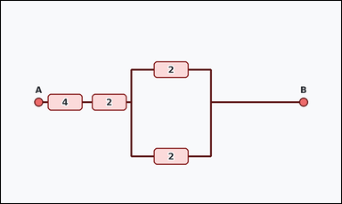 | 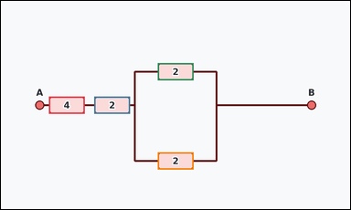 | task_physics_circuits_equivalent_resistance | total_resistance | Work from the resistor-network diagram shown in the image: one resistor network between terminals A and B that combines a short series chain with a parallel resistor bank. Work from the labeled resistor boxes between terminals A and B. Read the circuit between terminals A and B. What is its total equivalent resistance? Answer with an integer number of ohms. Return a valid JSON object with keys "evidence" and "answer" in that order. Evidence rule: set "evidence" to an array of bounding boxes [x1, y1, x2, y2] for all resistor boxes that belong to the network between terminals A and B. Answer rule: set "answer" to the total equivalent resistance between terminals A and B as an integer number of ohms. Example JSON: {"evidence":[[322,167,418,213],[322,257,418,303],[322,347,418,393]],"answer":2} | Work from the resistor-network diagram shown in the image: one resistor network between terminals A and B that combines a short series chain with a parallel resistor bank. Work from the labeled resistor boxes between terminals A and B. Read the circuit between terminals A and B. What is its total equivalent resistance? Answer with an integer number of ohms. Return a valid JSON object with key "answer". Answer rule: set "answer" to the total equivalent resistance between terminals A and B as an integer number of ohms. Example JSON: {"answer":2} | {"evidence": [[129.0, 257.0, 225.0, 303.0], [251.0, 257.0, 347.0, 303.0], [422.0, 167.0, 518.0, 213.0], [422.0, 407.0, 518.0, 453.0]], "answer": 7} | [[129.0, 257.0, 225.0, 303.0], [251.0, 257.0, 347.0, 303.0], [422.0, 167.0, 518.0, 213.0], [422.0, 407.0, 518.0, 453.0]] | integer | bbox_set | 8.4358511774E+15 | physics/task_physics_circuits_equivalent_resistance/images/default/0013.png | physics/task_physics_circuits_equivalent_resistance/data/default/0013.json
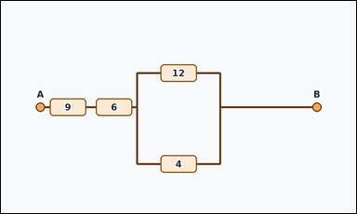 | 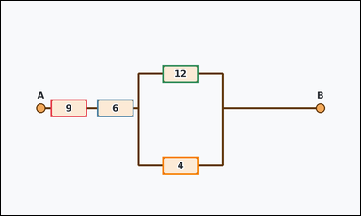 | task_physics_circuits_equivalent_resistance | total_resistance | You are given an image with one resistor network between terminals A and B that combines a short series chain with a parallel resistor bank. Use the resistor values shown in the boxes to answer the question. Using the resistor values shown, what equivalent resistance is seen between terminals A and B? Answer with an integer number of ohms. Return a valid JSON object with keys "evidence" and "answer" in that order. Evidence field: set "evidence" to an array of bounding boxes [x1, y1, x2, y2] for all resistor boxes that belong to the network between terminals A and B. Answer field: set "answer" to the total equivalent resistance between terminals A and B as an integer number of ohms. Example JSON: {"evidence":[[322,167,418,213],[322,257,418,303],[322,347,418,393]],"answer":2} | You are given an image with one resistor network between terminals A and B that combines a short series chain with a parallel resistor bank. Use the resistor values shown in the boxes to answer the question. Using the resistor values shown, what equivalent resistance is seen between terminals A and B? Answer with an integer number of ohms. Return a valid JSON object with key "answer". Answer requirement: set "answer" to the total equivalent resistance between terminals A and B as an integer number of ohms. Example JSON: {"answer":2} | {"evidence": [[129.0, 257.0, 225.0, 303.0], [251.0, 257.0, 347.0, 303.0], [422.0, 167.0, 518.0, 213.0], [422.0, 407.0, 518.0, 453.0]], "answer": 18} | [[129.0, 257.0, 225.0, 303.0], [251.0, 257.0, 347.0, 303.0], [422.0, 167.0, 518.0, 213.0], [422.0, 407.0, 518.0, 453.0]] | integer | bbox_set | 8.5143247429E+15 | physics/task_physics_circuits_equivalent_resistance/images/default/0001.png | physics/task_physics_circuits_equivalent_resistance/data/default/0001.json
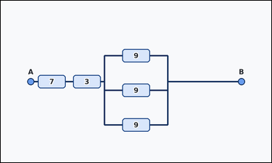 | 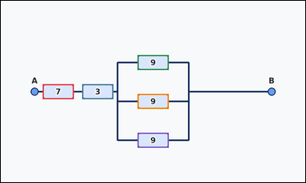 | task_physics_circuits_equivalent_resistance | total_resistance | The image shows one resistor network between terminals A and B that combines a short series chain with a parallel resistor bank. Answer using only the resistor values shown in the network. What is the total equivalent resistance between terminals A and B? Answer with an integer number of ohms. Return a valid JSON object with keys "evidence" and "answer" in that order. Evidence requirement: set "evidence" to an array of bounding boxes [x1, y1, x2, y2] for all resistor boxes that belong to the network between terminals A and B. Answer format: set "answer" to the total equivalent resistance between terminals A and B as an integer number of ohms. Example JSON: {"evidence":[[322,167,418,213],[322,257,418,303],[322,347,418,393]],"answer":2} | The image shows one resistor network between terminals A and B that combines a short series chain with a parallel resistor bank. Answer using only the resistor values shown in the network. What is the total equivalent resistance between terminals A and B? Answer with an integer number of ohms. Return a valid JSON object with key "answer". Answer format: set "answer" to the total equivalent resistance between terminals A and B as an integer number of ohms. Example JSON: {"answer":2} | {"evidence": [[129.0, 257.0, 225.0, 303.0], [251.0, 257.0, 347.0, 303.0], [422.0, 167.0, 518.0, 213.0], [422.0, 287.0, 518.0, 333.0], [422.0, 407.0, 518.0, 453.0]], "answer": 13} | [[129.0, 257.0, 225.0, 303.0], [251.0, 257.0, 347.0, 303.0], [422.0, 167.0, 518.0, 213.0], [422.0, 287.0, 518.0, 333.0], [422.0, 407.0, 518.0, 453.0]] | integer | bbox_set | 8.8124003657E+15 | physics/task_physics_circuits_equivalent_resistance/images/default/0015.png | physics/task_physics_circuits_equivalent_resistance/data/default/0015.json
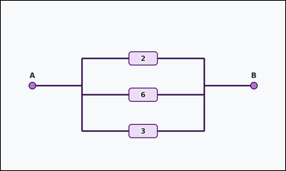 | 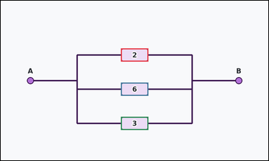 | task_physics_circuits_equivalent_resistance | total_resistance | Look at the resistor-network diagram in the image. It shows one resistor network between terminals A and B with three or four parallel labeled resistor branches. Use the resistor values shown in the boxes to answer the question. What integer equivalent resistance does this resistor network have between A and B? Return a valid JSON object with keys "evidence" and "answer" in that order. Evidence requirement: set "evidence" to an array of bounding boxes [x1, y1, x2, y2] for all resistor boxes that belong to the network between terminals A and B. Answer format: set "answer" to the total equivalent resistance between terminals A and B as an integer number of ohms. Example JSON: {"evidence":[[322,167,418,213],[322,257,418,303],[322,347,418,393]],"answer":2} | Look at the resistor-network diagram in the image. It shows one resistor network between terminals A and B with three or four parallel labeled resistor branches. Use the resistor values shown in the boxes to answer the question. What integer equivalent resistance does this resistor network have between A and B? Return a valid JSON object with key "answer". Answer rule: set "answer" to the total equivalent resistance between terminals A and B as an integer number of ohms. Example JSON: {"answer":2} | {"evidence": [[422.0, 167.0, 518.0, 213.0], [422.0, 287.0, 518.0, 333.0], [422.0, 407.0, 518.0, 453.0]], "answer": 1} | [[422.0, 167.0, 518.0, 213.0], [422.0, 287.0, 518.0, 333.0], [422.0, 407.0, 518.0, 453.0]] | integer | bbox_set | 8.9309692539E+15 | physics/task_physics_circuits_equivalent_resistance/images/default/0020.png | physics/task_physics_circuits_equivalent_resistance/data/default/0020.json

