l_shape_cutout
image | evidence_image | task | task_variant | prompt | prompt_answer_only | answer | answer_evidence | answer_type | evidence_type | instance_seed | image_path | data_path
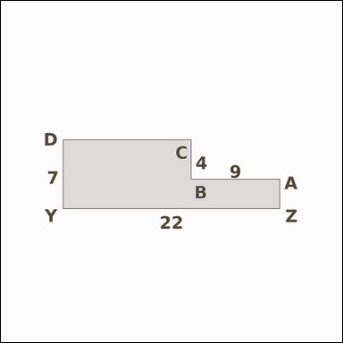 | 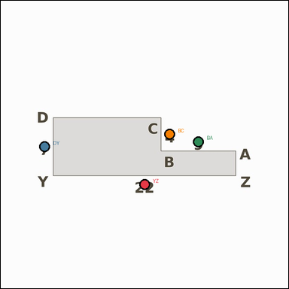 | task_geometry_analytical_2d_composite_area | l_shape_cutout | Look at the annotated image showing a shaded composite geometric region with measurement annotations. The shaded figure is an L-shaped region formed from a rectangle with one corner removed. What is the area of the shaded region in square units? Return a valid JSON object with keys "evidence" and "answer" in that order. Evidence field: set "evidence" to a JSON object that maps each required annotation label to its shown measurement value. Required annotations: YZ, DY, BA, BC. Answer field: set "answer" to the area value as an integer. Example JSON: {"evidence":{"YZ":2,"DY":3,"BA":4,"BC":5},"answer":8} | Look at the annotated image showing a shaded composite geometric region with measurement annotations. The shaded figure is an L-shaped region formed from a rectangle with one corner removed. What is the area of the shaded region in square units? Return a valid JSON object with key "answer". Answer requirement: set "answer" to the area value as an integer. Example JSON: {"answer":8} | {"evidence": {"YZ": 22, "DY": 7, "BA": 9, "BC": 4}, "answer": 118} | {"YZ": 22, "DY": 7, "BA": 9, "BC": 4} | integer | measurement_ref_map | 25563635242908 | geometry/task_geometry_analytical_2d_composite_area/images/l_shape_cutout/0019.png | geometry/task_geometry_analytical_2d_composite_area/data/l_shape_cutout/0019.json
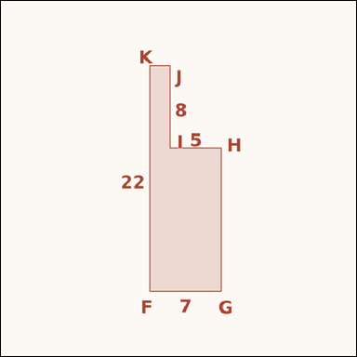 | 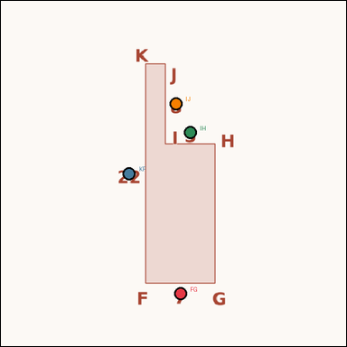 | task_geometry_analytical_2d_composite_area | l_shape_cutout | Work from the annotated scene showing a shaded composite geometric region with measurement annotations. Task: The shaded figure is an L-shaped region formed from a rectangle with one corner removed. What is the area of the shaded region in square units? Return a valid JSON object with keys "evidence" and "answer" in that order. Evidence rule: set "evidence" to a JSON object that maps each required annotation label to its shown measurement value. Required annotations: FG, KF, IH, IJ. Answer rule: set "answer" to the area value as an integer. Example JSON: {"evidence":{"FG":2,"KF":3,"IH":4,"IJ":5},"answer":8} | Work from the annotated scene showing a shaded composite geometric region with measurement annotations. Task: The shaded figure is an L-shaped region formed from a rectangle with one corner removed. What is the area of the shaded region in square units? Return a valid JSON object with key "answer". Answer requirement: set "answer" to the area value as an integer. Example JSON: {"answer":8} | {"evidence": {"FG": 7, "KF": 22, "IH": 5, "IJ": 8}, "answer": 114} | {"FG": 7, "KF": 22, "IH": 5, "IJ": 8} | integer | measurement_ref_map | 207475746344873 | geometry/task_geometry_analytical_2d_composite_area/images/l_shape_cutout/0016.png | geometry/task_geometry_analytical_2d_composite_area/data/l_shape_cutout/0016.json
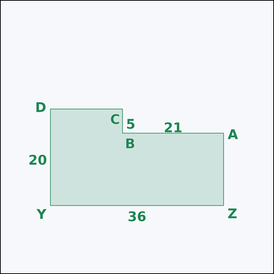 | 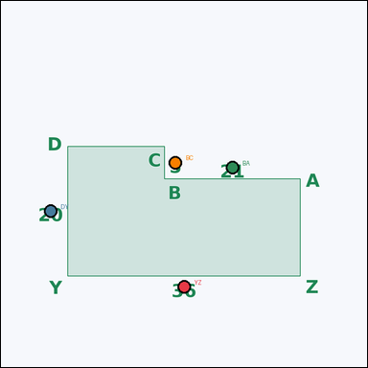 | task_geometry_analytical_2d_composite_area | l_shape_cutout | Look at the annotated image showing a shaded composite geometric region with measurement annotations. Task: The shaded figure is an L-shaped region formed from a rectangle with one corner removed. What is the area of the shaded region in square units? Return a valid JSON object with keys "evidence" and "answer" in that order. Evidence: set "evidence" to a JSON object that maps each required annotation label to its shown measurement value. Required annotations: YZ, DY, BA, BC. Answer: set "answer" to the area value as an integer. Example JSON: {"evidence":{"YZ":2,"DY":3,"BA":4,"BC":5},"answer":8} | Look at the annotated image showing a shaded composite geometric region with measurement annotations. Task: The shaded figure is an L-shaped region formed from a rectangle with one corner removed. What is the area of the shaded region in square units? Return a valid JSON object with key "answer". Answer requirement: set "answer" to the area value as an integer. Example JSON: {"answer":8} | {"evidence": {"YZ": 36, "DY": 20, "BA": 21, "BC": 5}, "answer": 615} | {"YZ": 36, "DY": 20, "BA": 21, "BC": 5} | integer | measurement_ref_map | 417483888006298 | geometry/task_geometry_analytical_2d_composite_area/images/l_shape_cutout/0009.png | geometry/task_geometry_analytical_2d_composite_area/data/l_shape_cutout/0009.json
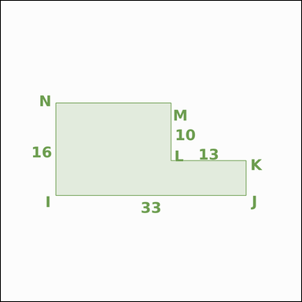 | 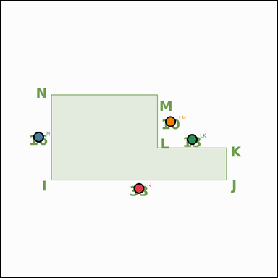 | task_geometry_analytical_2d_composite_area | l_shape_cutout | You are given an image showing a shaded composite geometric region with measurement annotations. Read the marked measurements and answer: The shaded figure is an L-shaped region formed from a rectangle with one corner removed. What is the area of the shaded region in square units? Return a valid JSON object with keys "evidence" and "answer" in that order. Evidence rule: set "evidence" to a JSON object that maps each required annotation label to its shown measurement value. Required annotations: IJ, NI, LK, LM. Answer rule: set "answer" to the area value as an integer. Example JSON: {"evidence":{"IJ":2,"NI":3,"LK":4,"LM":5},"answer":8} | You are given an image showing a shaded composite geometric region with measurement annotations. Read the marked measurements and answer: The shaded figure is an L-shaped region formed from a rectangle with one corner removed. What is the area of the shaded region in square units? Return a valid JSON object with key "answer". Answer format: set "answer" to the area value as an integer. Example JSON: {"answer":8} | {"evidence": {"IJ": 33, "NI": 16, "LK": 13, "LM": 10}, "answer": 398} | {"IJ": 33, "NI": 16, "LK": 13, "LM": 10} | integer | measurement_ref_map | 756986147605068 | geometry/task_geometry_analytical_2d_composite_area/images/l_shape_cutout/0012.png | geometry/task_geometry_analytical_2d_composite_area/data/l_shape_cutout/0012.json
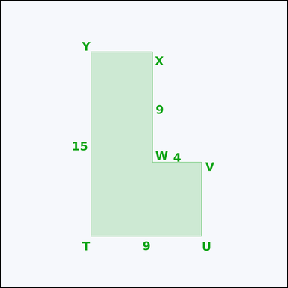 | 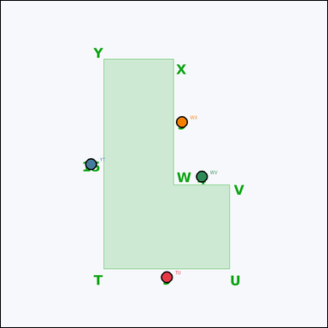 | task_geometry_analytical_2d_composite_area | l_shape_cutout | You are given an image showing a shaded composite geometric region with measurement annotations. The shaded figure is an L-shaped region formed from a rectangle with one corner removed. What is the area of the shaded region in square units? Return a valid JSON object with keys "evidence" and "answer" in that order. Evidence rule: set "evidence" to a JSON object that maps each required annotation label to its shown measurement value. Required annotations: TU, YT, WV, WX. Answer rule: set "answer" to the area value as an integer. Example JSON: {"evidence":{"TU":2,"YT":3,"WV":4,"WX":5},"answer":8} | You are given an image showing a shaded composite geometric region with measurement annotations. The shaded figure is an L-shaped region formed from a rectangle with one corner removed. What is the area of the shaded region in square units? Return a valid JSON object with key "answer". Answer format: set "answer" to the area value as an integer. Example JSON: {"answer":8} | {"evidence": {"TU": 9, "YT": 15, "WV": 4, "WX": 9}, "answer": 99} | {"TU": 9, "YT": 15, "WV": 4, "WX": 9} | integer | measurement_ref_map | 1.0732375408E+15 | geometry/task_geometry_analytical_2d_composite_area/images/l_shape_cutout/0007.png | geometry/task_geometry_analytical_2d_composite_area/data/l_shape_cutout/0007.json
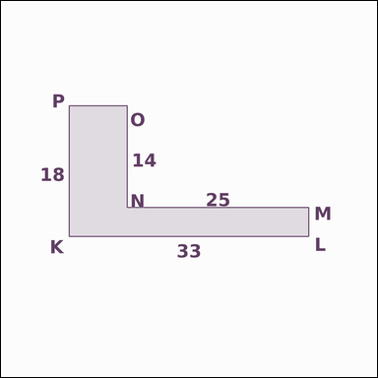 | 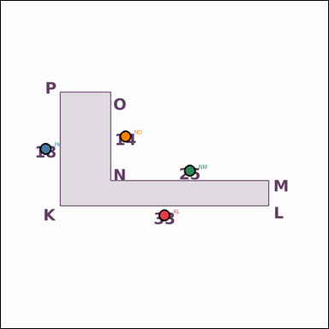 | task_geometry_analytical_2d_composite_area | l_shape_cutout | You are given an image showing a shaded composite geometric region with measurement annotations. Question: The shaded figure is an L-shaped region formed from a rectangle with one corner removed. What is the area of the shaded region in square units? Return a valid JSON object with keys "evidence" and "answer" in that order. Evidence requirement: set "evidence" to a JSON object that maps each required annotation label to its shown measurement value. Required annotations: KL, PK, NM, NO. Answer format: set "answer" to the area value as an integer. Example JSON: {"evidence":{"KL":2,"PK":3,"NM":4,"NO":5},"answer":8} | You are given an image showing a shaded composite geometric region with measurement annotations. Question: The shaded figure is an L-shaped region formed from a rectangle with one corner removed. What is the area of the shaded region in square units? Return a valid JSON object with key "answer". Answer requirement: set "answer" to the area value as an integer. Example JSON: {"answer":8} | {"evidence": {"KL": 33, "PK": 18, "NM": 25, "NO": 14}, "answer": 244} | {"KL": 33, "PK": 18, "NM": 25, "NO": 14} | integer | measurement_ref_map | 1.5899679431E+15 | geometry/task_geometry_analytical_2d_composite_area/images/l_shape_cutout/0004.png | geometry/task_geometry_analytical_2d_composite_area/data/l_shape_cutout/0004.json
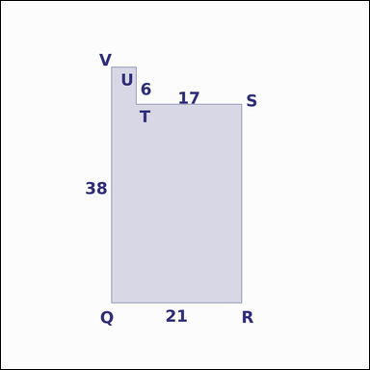 | 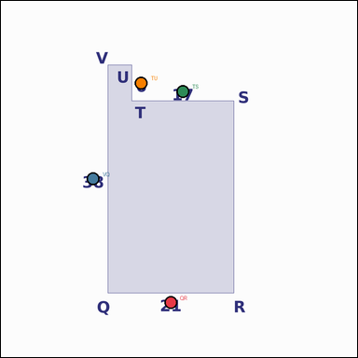 | task_geometry_analytical_2d_composite_area | l_shape_cutout | Work from the annotated scene showing a shaded composite geometric region with measurement annotations. Question: The shaded figure is an L-shaped region formed from a rectangle with one corner removed. What is the area of the shaded region in square units? Return a valid JSON object with keys "evidence" and "answer" in that order. Evidence requirement: set "evidence" to a JSON object that maps each required annotation label to its shown measurement value. Required annotations: QR, VQ, TS, TU. Answer format: set "answer" to the area value as an integer. Example JSON: {"evidence":{"QR":2,"VQ":3,"TS":4,"TU":5},"answer":8} | Work from the annotated scene showing a shaded composite geometric region with measurement annotations. Question: The shaded figure is an L-shaped region formed from a rectangle with one corner removed. What is the area of the shaded region in square units? Return a valid JSON object with key "answer". Answer format: set "answer" to the area value as an integer. Example JSON: {"answer":8} | {"evidence": {"QR": 21, "VQ": 38, "TS": 17, "TU": 6}, "answer": 696} | {"QR": 21, "VQ": 38, "TS": 17, "TU": 6} | integer | measurement_ref_map | 2.0698813084E+15 | geometry/task_geometry_analytical_2d_composite_area/images/l_shape_cutout/0015.png | geometry/task_geometry_analytical_2d_composite_area/data/l_shape_cutout/0015.json
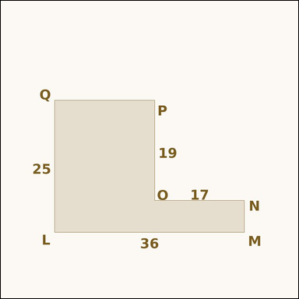 | 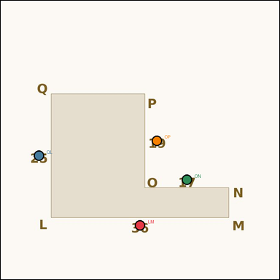 | task_geometry_analytical_2d_composite_area | l_shape_cutout | Look at the annotated image showing a shaded composite geometric region with measurement annotations. Based on the shown values, answer this question: The shaded figure is an L-shaped region formed from a rectangle with one corner removed. What is the area of the shaded region in square units? Return a valid JSON object with keys "evidence" and "answer" in that order. Evidence rule: set "evidence" to a JSON object that maps each required annotation label to its shown measurement value. Required annotations: LM, QL, ON, OP. Answer rule: set "answer" to the area value as an integer. Example JSON: {"evidence":{"LM":2,"QL":3,"ON":4,"OP":5},"answer":8} | Look at the annotated image showing a shaded composite geometric region with measurement annotations. Based on the shown values, answer this question: The shaded figure is an L-shaped region formed from a rectangle with one corner removed. What is the area of the shaded region in square units? Return a valid JSON object with key "answer". Answer field: set "answer" to the area value as an integer. Example JSON: {"answer":8} | {"evidence": {"LM": 36, "QL": 25, "ON": 17, "OP": 19}, "answer": 577} | {"LM": 36, "QL": 25, "ON": 17, "OP": 19} | integer | measurement_ref_map | 2.0929493756E+15 | geometry/task_geometry_analytical_2d_composite_area/images/l_shape_cutout/0017.png | geometry/task_geometry_analytical_2d_composite_area/data/l_shape_cutout/0017.json
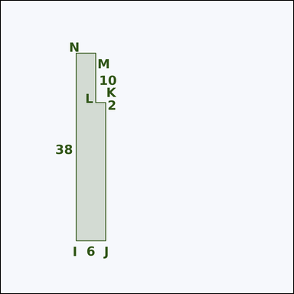 | 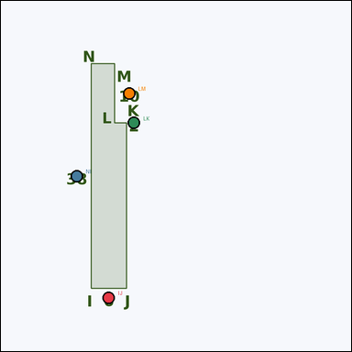 | task_geometry_analytical_2d_composite_area | l_shape_cutout | Use the image showing a shaded composite geometric region with measurement annotations. Read the marked measurements and answer: The shaded figure is an L-shaped region formed from a rectangle with one corner removed. What is the area of the shaded region in square units? Return a valid JSON object with keys "evidence" and "answer" in that order. Evidence format: set "evidence" to a JSON object that maps each required annotation label to its shown measurement value. Required annotations: IJ, NI, LK, LM. Answer requirement: set "answer" to the area value as an integer. Example JSON: {"evidence":{"IJ":2,"NI":3,"LK":4,"LM":5},"answer":8} | Use the image showing a shaded composite geometric region with measurement annotations. Read the marked measurements and answer: The shaded figure is an L-shaped region formed from a rectangle with one corner removed. What is the area of the shaded region in square units? Return a valid JSON object with key "answer". Answer rule: set "answer" to the area value as an integer. Example JSON: {"answer":8} | {"evidence": {"IJ": 6, "NI": 38, "LK": 2, "LM": 10}, "answer": 208} | {"IJ": 6, "NI": 38, "LK": 2, "LM": 10} | integer | measurement_ref_map | 2.2630020312E+15 | geometry/task_geometry_analytical_2d_composite_area/images/l_shape_cutout/0018.png | geometry/task_geometry_analytical_2d_composite_area/data/l_shape_cutout/0018.json
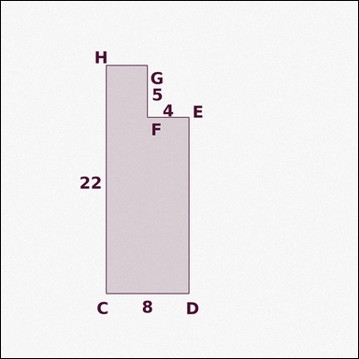 | 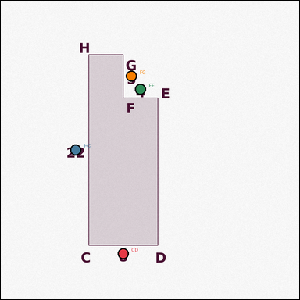 | task_geometry_analytical_2d_composite_area | l_shape_cutout | You are given an image showing a shaded composite geometric region with measurement annotations. The shaded figure is an L-shaped region formed from a rectangle with one corner removed. What is the area of the shaded region in square units? Return a valid JSON object with keys "evidence" and "answer" in that order. Evidence rule: set "evidence" to a JSON object that maps each required annotation label to its shown measurement value. Required annotations: CD, HC, FE, FG. Answer rule: set "answer" to the area value as an integer. Example JSON: {"evidence":{"CD":2,"HC":3,"FE":4,"FG":5},"answer":8} | You are given an image showing a shaded composite geometric region with measurement annotations. The shaded figure is an L-shaped region formed from a rectangle with one corner removed. What is the area of the shaded region in square units? Return a valid JSON object with key "answer". Answer rule: set "answer" to the area value as an integer. Example JSON: {"answer":8} | {"evidence": {"CD": 8, "HC": 22, "FE": 4, "FG": 5}, "answer": 156} | {"CD": 8, "HC": 22, "FE": 4, "FG": 5} | integer | measurement_ref_map | 2.7364824327E+15 | geometry/task_geometry_analytical_2d_composite_area/images/l_shape_cutout/0010.png | geometry/task_geometry_analytical_2d_composite_area/data/l_shape_cutout/0010.json
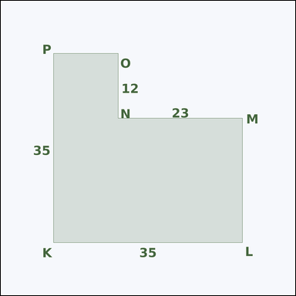 | 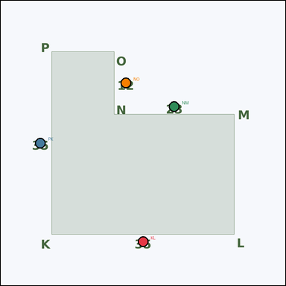 | task_geometry_analytical_2d_composite_area | l_shape_cutout | Look at the annotated image showing a shaded composite geometric region with measurement annotations. Based on the shown values, answer this question: The shaded figure is an L-shaped region formed from a rectangle with one corner removed. What is the area of the shaded region in square units? Return a valid JSON object with keys "evidence" and "answer" in that order. Evidence field: set "evidence" to a JSON object that maps each required annotation label to its shown measurement value. Required annotations: KL, PK, NM, NO. Answer field: set "answer" to the area value as an integer. Example JSON: {"evidence":{"KL":2,"PK":3,"NM":4,"NO":5},"answer":8} | Look at the annotated image showing a shaded composite geometric region with measurement annotations. Based on the shown values, answer this question: The shaded figure is an L-shaped region formed from a rectangle with one corner removed. What is the area of the shaded region in square units? Return a valid JSON object with key "answer". Answer format: set "answer" to the area value as an integer. Example JSON: {"answer":8} | {"evidence": {"KL": 35, "PK": 35, "NM": 23, "NO": 12}, "answer": 949} | {"KL": 35, "PK": 35, "NM": 23, "NO": 12} | integer | measurement_ref_map | 2.8632042749E+15 | geometry/task_geometry_analytical_2d_composite_area/images/l_shape_cutout/0013.png | geometry/task_geometry_analytical_2d_composite_area/data/l_shape_cutout/0013.json
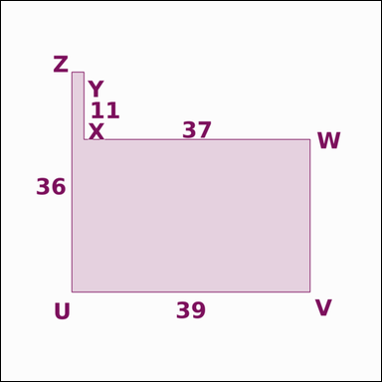 | 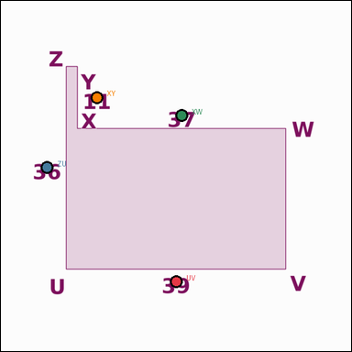 | task_geometry_analytical_2d_composite_area | l_shape_cutout | Look at the annotated image showing a shaded composite geometric region with measurement annotations. The shaded figure is an L-shaped region formed from a rectangle with one corner removed. What is the area of the shaded region in square units? Return a valid JSON object with keys "evidence" and "answer" in that order. Evidence rule: set "evidence" to a JSON object that maps each required annotation label to its shown measurement value. Required annotations: UV, ZU, XW, XY. Answer rule: set "answer" to the area value as an integer. Example JSON: {"evidence":{"UV":2,"ZU":3,"XW":4,"XY":5},"answer":8} | Look at the annotated image showing a shaded composite geometric region with measurement annotations. The shaded figure is an L-shaped region formed from a rectangle with one corner removed. What is the area of the shaded region in square units? Return a valid JSON object with key "answer". Answer requirement: set "answer" to the area value as an integer. Example JSON: {"answer":8} | {"evidence": {"UV": 39, "ZU": 36, "XW": 37, "XY": 11}, "answer": 997} | {"UV": 39, "ZU": 36, "XW": 37, "XY": 11} | integer | measurement_ref_map | 3.2732640811E+15 | geometry/task_geometry_analytical_2d_composite_area/images/l_shape_cutout/0011.png | geometry/task_geometry_analytical_2d_composite_area/data/l_shape_cutout/0011.json
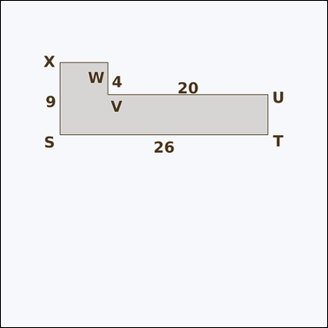 | 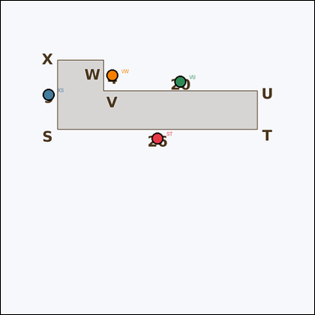 | task_geometry_analytical_2d_composite_area | l_shape_cutout | The image shows a shaded composite geometric region with measurement annotations. Question: The shaded figure is an L-shaped region formed from a rectangle with one corner removed. What is the area of the shaded region in square units? Return a valid JSON object with keys "evidence" and "answer" in that order. Evidence: set "evidence" to a JSON object that maps each required annotation label to its shown measurement value. Required annotations: ST, XS, VU, VW. Answer: set "answer" to the area value as an integer. Example JSON: {"evidence":{"ST":2,"XS":3,"VU":4,"VW":5},"answer":8} | The image shows a shaded composite geometric region with measurement annotations. Question: The shaded figure is an L-shaped region formed from a rectangle with one corner removed. What is the area of the shaded region in square units? Return a valid JSON object with key "answer". Answer format: set "answer" to the area value as an integer. Example JSON: {"answer":8} | {"evidence": {"ST": 26, "XS": 9, "VU": 20, "VW": 4}, "answer": 154} | {"ST": 26, "XS": 9, "VU": 20, "VW": 4} | integer | measurement_ref_map | 3.2770599018E+15 | geometry/task_geometry_analytical_2d_composite_area/images/l_shape_cutout/0005.png | geometry/task_geometry_analytical_2d_composite_area/data/l_shape_cutout/0005.json
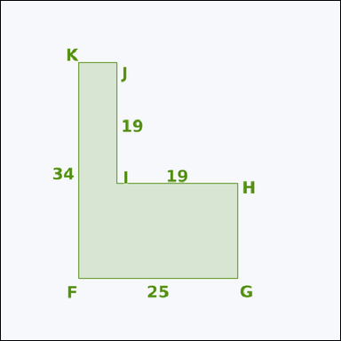 | 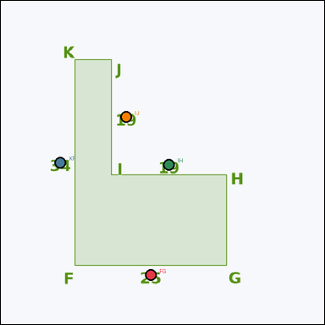 | task_geometry_analytical_2d_composite_area | l_shape_cutout | Look at the annotated image showing a shaded composite geometric region with measurement annotations. Read the marked measurements and answer: The shaded figure is an L-shaped region formed from a rectangle with one corner removed. What is the area of the shaded region in square units? Return a valid JSON object with keys "evidence" and "answer" in that order. Evidence rule: set "evidence" to a JSON object that maps each required annotation label to its shown measurement value. Required annotations: FG, KF, IH, IJ. Answer rule: set "answer" to the area value as an integer. Example JSON: {"evidence":{"FG":2,"KF":3,"IH":4,"IJ":5},"answer":8} | Look at the annotated image showing a shaded composite geometric region with measurement annotations. Read the marked measurements and answer: The shaded figure is an L-shaped region formed from a rectangle with one corner removed. What is the area of the shaded region in square units? Return a valid JSON object with key "answer". Answer: set "answer" to the area value as an integer. Example JSON: {"answer":8} | {"evidence": {"FG": 25, "KF": 34, "IH": 19, "IJ": 19}, "answer": 489} | {"FG": 25, "KF": 34, "IH": 19, "IJ": 19} | integer | measurement_ref_map | 3.3476561118E+15 | geometry/task_geometry_analytical_2d_composite_area/images/l_shape_cutout/0024.png | geometry/task_geometry_analytical_2d_composite_area/data/l_shape_cutout/0024.json
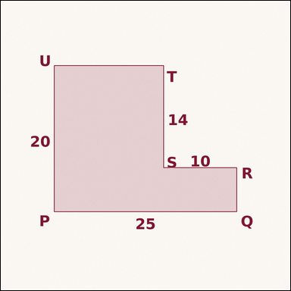 | 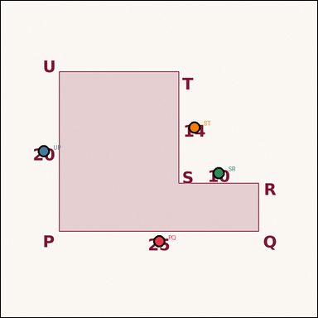 | task_geometry_analytical_2d_composite_area | l_shape_cutout | You are given an image showing a shaded composite geometric region with measurement annotations. Question: The shaded figure is an L-shaped region formed from a rectangle with one corner removed. What is the area of the shaded region in square units? Return a valid JSON object with keys "evidence" and "answer" in that order. Evidence field: set "evidence" to a JSON object that maps each required annotation label to its shown measurement value. Required annotations: PQ, UP, SR, ST. Answer field: set "answer" to the area value as an integer. Example JSON: {"evidence":{"PQ":2,"UP":3,"SR":4,"ST":5},"answer":8} | You are given an image showing a shaded composite geometric region with measurement annotations. Question: The shaded figure is an L-shaped region formed from a rectangle with one corner removed. What is the area of the shaded region in square units? Return a valid JSON object with key "answer". Answer requirement: set "answer" to the area value as an integer. Example JSON: {"answer":8} | {"evidence": {"PQ": 25, "UP": 20, "SR": 10, "ST": 14}, "answer": 360} | {"PQ": 25, "UP": 20, "SR": 10, "ST": 14} | integer | measurement_ref_map | 3.5424919743E+15 | geometry/task_geometry_analytical_2d_composite_area/images/l_shape_cutout/0014.png | geometry/task_geometry_analytical_2d_composite_area/data/l_shape_cutout/0014.json
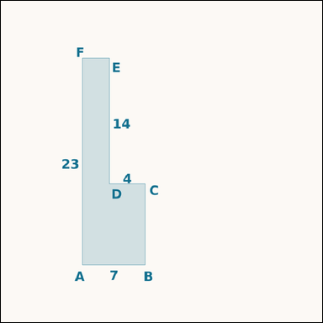 | 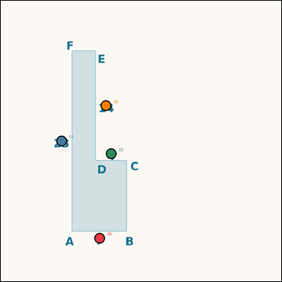 | task_geometry_analytical_2d_composite_area | l_shape_cutout | Use the image showing a shaded composite geometric region with measurement annotations. Based on the shown values, answer this question: The shaded figure is an L-shaped region formed from a rectangle with one corner removed. What is the area of the shaded region in square units? Return a valid JSON object with keys "evidence" and "answer" in that order. Evidence rule: set "evidence" to a JSON object that maps each required annotation label to its shown measurement value. Required annotations: AB, FA, DC, DE. Answer rule: set "answer" to the area value as an integer. Example JSON: {"evidence":{"AB":2,"FA":3,"DC":4,"DE":5},"answer":8} | Use the image showing a shaded composite geometric region with measurement annotations. Based on the shown values, answer this question: The shaded figure is an L-shaped region formed from a rectangle with one corner removed. What is the area of the shaded region in square units? Return a valid JSON object with key "answer". Answer format: set "answer" to the area value as an integer. Example JSON: {"answer":8} | {"evidence": {"AB": 7, "FA": 23, "DC": 4, "DE": 14}, "answer": 105} | {"AB": 7, "FA": 23, "DC": 4, "DE": 14} | integer | measurement_ref_map | 3.8479215744E+15 | geometry/task_geometry_analytical_2d_composite_area/images/l_shape_cutout/0020.png | geometry/task_geometry_analytical_2d_composite_area/data/l_shape_cutout/0020.json
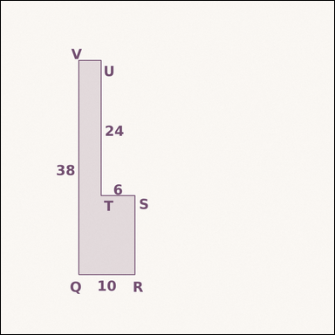 | 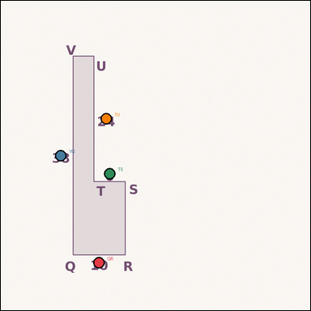 | task_geometry_analytical_2d_composite_area | l_shape_cutout | Work from the annotated scene showing a shaded composite geometric region with measurement annotations. Based on the shown values, answer this question: The shaded figure is an L-shaped region formed from a rectangle with one corner removed. What is the area of the shaded region in square units? Return a valid JSON object with keys "evidence" and "answer" in that order. Evidence field: set "evidence" to a JSON object that maps each required annotation label to its shown measurement value. Required annotations: QR, VQ, TS, TU. Answer field: set "answer" to the area value as an integer. Example JSON: {"evidence":{"QR":2,"VQ":3,"TS":4,"TU":5},"answer":8} | Work from the annotated scene showing a shaded composite geometric region with measurement annotations. Based on the shown values, answer this question: The shaded figure is an L-shaped region formed from a rectangle with one corner removed. What is the area of the shaded region in square units? Return a valid JSON object with key "answer". Answer: set "answer" to the area value as an integer. Example JSON: {"answer":8} | {"evidence": {"QR": 10, "VQ": 38, "TS": 6, "TU": 24}, "answer": 236} | {"QR": 10, "VQ": 38, "TS": 6, "TU": 24} | integer | measurement_ref_map | 4.1883736482E+15 | geometry/task_geometry_analytical_2d_composite_area/images/l_shape_cutout/0008.png | geometry/task_geometry_analytical_2d_composite_area/data/l_shape_cutout/0008.json
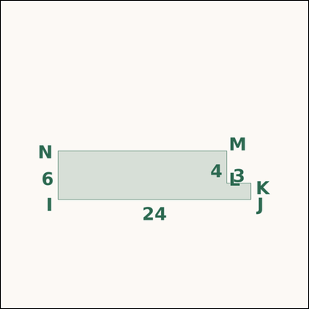 | 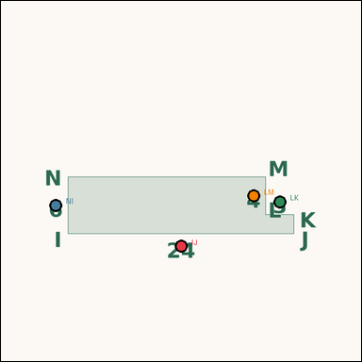 | task_geometry_analytical_2d_composite_area | l_shape_cutout | Look at the annotated image showing a shaded composite geometric region with measurement annotations. Based on the shown values, answer this question: The shaded figure is an L-shaped region formed from a rectangle with one corner removed. What is the area of the shaded region in square units? Return a valid JSON object with keys "evidence" and "answer" in that order. Evidence format: set "evidence" to a JSON object that maps each required annotation label to its shown measurement value. Required annotations: IJ, NI, LK, LM. Answer requirement: set "answer" to the area value as an integer. Example JSON: {"evidence":{"IJ":2,"NI":3,"LK":4,"LM":5},"answer":8} | Look at the annotated image showing a shaded composite geometric region with measurement annotations. Based on the shown values, answer this question: The shaded figure is an L-shaped region formed from a rectangle with one corner removed. What is the area of the shaded region in square units? Return a valid JSON object with key "answer". Answer field: set "answer" to the area value as an integer. Example JSON: {"answer":8} | {"evidence": {"IJ": 24, "NI": 6, "LK": 3, "LM": 4}, "answer": 132} | {"IJ": 24, "NI": 6, "LK": 3, "LM": 4} | integer | measurement_ref_map | 5.609631497E+15 | geometry/task_geometry_analytical_2d_composite_area/images/l_shape_cutout/0002.png | geometry/task_geometry_analytical_2d_composite_area/data/l_shape_cutout/0002.json
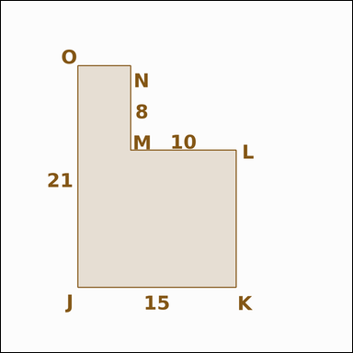 | 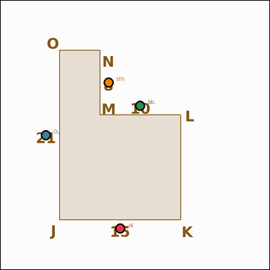 | task_geometry_analytical_2d_composite_area | l_shape_cutout | The image shows a shaded composite geometric region with measurement annotations. Task: The shaded figure is an L-shaped region formed from a rectangle with one corner removed. What is the area of the shaded region in square units? Return a valid JSON object with keys "evidence" and "answer" in that order. Evidence field: set "evidence" to a JSON object that maps each required annotation label to its shown measurement value. Required annotations: JK, OJ, ML, MN. Answer field: set "answer" to the area value as an integer. Example JSON: {"evidence":{"JK":2,"OJ":3,"ML":4,"MN":5},"answer":8} | The image shows a shaded composite geometric region with measurement annotations. Task: The shaded figure is an L-shaped region formed from a rectangle with one corner removed. What is the area of the shaded region in square units? Return a valid JSON object with key "answer". Answer format: set "answer" to the area value as an integer. Example JSON: {"answer":8} | {"evidence": {"JK": 15, "OJ": 21, "ML": 10, "MN": 8}, "answer": 235} | {"JK": 15, "OJ": 21, "ML": 10, "MN": 8} | integer | measurement_ref_map | 5.9454538643E+15 | geometry/task_geometry_analytical_2d_composite_area/images/l_shape_cutout/0001.png | geometry/task_geometry_analytical_2d_composite_area/data/l_shape_cutout/0001.json
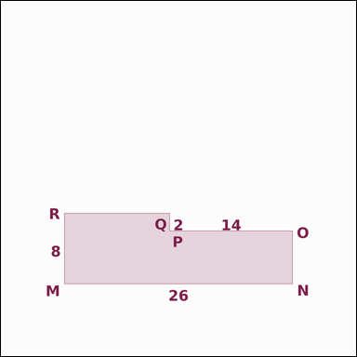 | 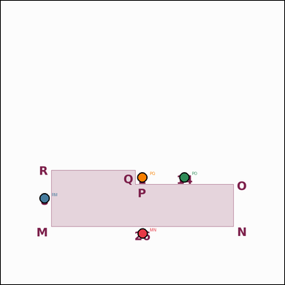 | task_geometry_analytical_2d_composite_area | l_shape_cutout | Look at the annotated image showing a shaded composite geometric region with measurement annotations. Based on the shown values, answer this question: The shaded figure is an L-shaped region formed from a rectangle with one corner removed. What is the area of the shaded region in square units? Return a valid JSON object with keys "evidence" and "answer" in that order. Evidence rule: set "evidence" to a JSON object that maps each required annotation label to its shown measurement value. Required annotations: MN, RM, PO, PQ. Answer rule: set "answer" to the area value as an integer. Example JSON: {"evidence":{"MN":2,"RM":3,"PO":4,"PQ":5},"answer":8} | Look at the annotated image showing a shaded composite geometric region with measurement annotations. Based on the shown values, answer this question: The shaded figure is an L-shaped region formed from a rectangle with one corner removed. What is the area of the shaded region in square units? Return a valid JSON object with key "answer". Answer format: set "answer" to the area value as an integer. Example JSON: {"answer":8} | {"evidence": {"MN": 26, "RM": 8, "PO": 14, "PQ": 2}, "answer": 180} | {"MN": 26, "RM": 8, "PO": 14, "PQ": 2} | integer | measurement_ref_map | 6.0652568072E+15 | geometry/task_geometry_analytical_2d_composite_area/images/l_shape_cutout/0000.png | geometry/task_geometry_analytical_2d_composite_area/data/l_shape_cutout/0000.json
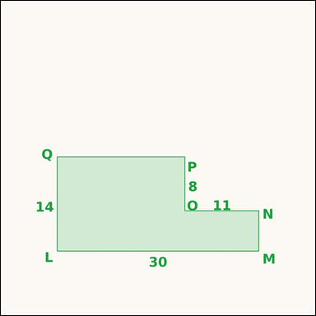 | 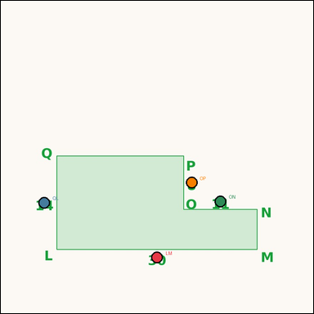 | task_geometry_analytical_2d_composite_area | l_shape_cutout | You are given an image showing a shaded composite geometric region with measurement annotations. Task: The shaded figure is an L-shaped region formed from a rectangle with one corner removed. What is the area of the shaded region in square units? Return a valid JSON object with keys "evidence" and "answer" in that order. Evidence: set "evidence" to a JSON object that maps each required annotation label to its shown measurement value. Required annotations: LM, QL, ON, OP. Answer: set "answer" to the area value as an integer. Example JSON: {"evidence":{"LM":2,"QL":3,"ON":4,"OP":5},"answer":8} | You are given an image showing a shaded composite geometric region with measurement annotations. Task: The shaded figure is an L-shaped region formed from a rectangle with one corner removed. What is the area of the shaded region in square units? Return a valid JSON object with key "answer". Answer format: set "answer" to the area value as an integer. Example JSON: {"answer":8} | {"evidence": {"LM": 30, "QL": 14, "ON": 11, "OP": 8}, "answer": 332} | {"LM": 30, "QL": 14, "ON": 11, "OP": 8} | integer | measurement_ref_map | 6.9940280947E+15 | geometry/task_geometry_analytical_2d_composite_area/images/l_shape_cutout/0023.png | geometry/task_geometry_analytical_2d_composite_area/data/l_shape_cutout/0023.json
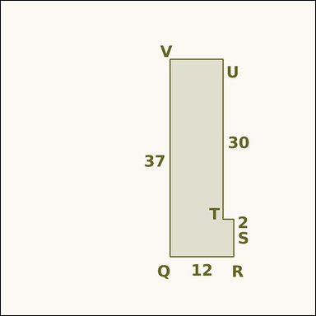 | 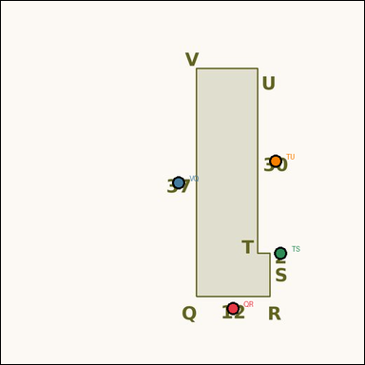 | task_geometry_analytical_2d_composite_area | l_shape_cutout | Work from the annotated scene showing a shaded composite geometric region with measurement annotations. Read the marked measurements and answer: The shaded figure is an L-shaped region formed from a rectangle with one corner removed. What is the area of the shaded region in square units? Return a valid JSON object with keys "evidence" and "answer" in that order. Evidence: set "evidence" to a JSON object that maps each required annotation label to its shown measurement value. Required annotations: QR, VQ, TS, TU. Answer: set "answer" to the area value as an integer. Example JSON: {"evidence":{"QR":2,"VQ":3,"TS":4,"TU":5},"answer":8} | Work from the annotated scene showing a shaded composite geometric region with measurement annotations. Read the marked measurements and answer: The shaded figure is an L-shaped region formed from a rectangle with one corner removed. What is the area of the shaded region in square units? Return a valid JSON object with key "answer". Answer format: set "answer" to the area value as an integer. Example JSON: {"answer":8} | {"evidence": {"QR": 12, "VQ": 37, "TS": 2, "TU": 30}, "answer": 384} | {"QR": 12, "VQ": 37, "TS": 2, "TU": 30} | integer | measurement_ref_map | 7.2046851898E+15 | geometry/task_geometry_analytical_2d_composite_area/images/l_shape_cutout/0021.png | geometry/task_geometry_analytical_2d_composite_area/data/l_shape_cutout/0021.json
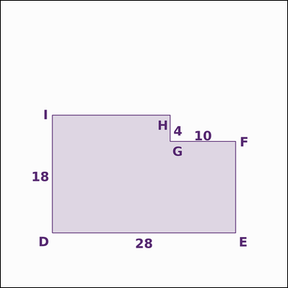 | 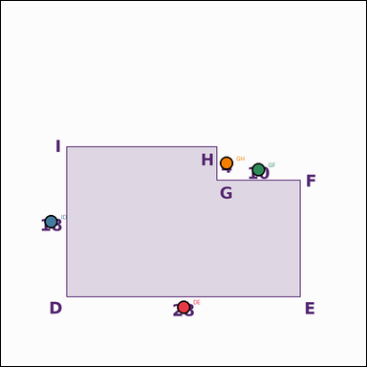 | task_geometry_analytical_2d_composite_area | l_shape_cutout | Work from the annotated scene showing a shaded composite geometric region with measurement annotations. The shaded figure is an L-shaped region formed from a rectangle with one corner removed. What is the area of the shaded region in square units? Return a valid JSON object with keys "evidence" and "answer" in that order. Evidence: set "evidence" to a JSON object that maps each required annotation label to its shown measurement value. Required annotations: DE, ID, GF, GH. Answer: set "answer" to the area value as an integer. Example JSON: {"evidence":{"DE":2,"ID":3,"GF":4,"GH":5},"answer":8} | Work from the annotated scene showing a shaded composite geometric region with measurement annotations. The shaded figure is an L-shaped region formed from a rectangle with one corner removed. What is the area of the shaded region in square units? Return a valid JSON object with key "answer". Answer: set "answer" to the area value as an integer. Example JSON: {"answer":8} | {"evidence": {"DE": 28, "ID": 18, "GF": 10, "GH": 4}, "answer": 464} | {"DE": 28, "ID": 18, "GF": 10, "GH": 4} | integer | measurement_ref_map | 7.7623217101E+15 | geometry/task_geometry_analytical_2d_composite_area/images/l_shape_cutout/0022.png | geometry/task_geometry_analytical_2d_composite_area/data/l_shape_cutout/0022.json
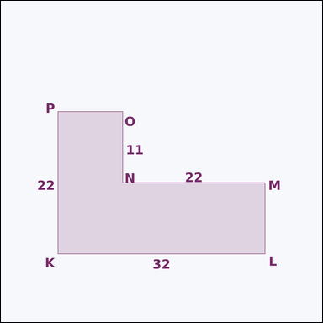 | 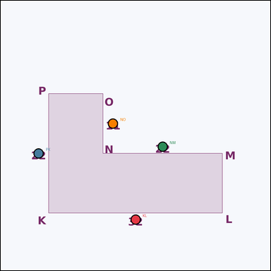 | task_geometry_analytical_2d_composite_area | l_shape_cutout | Work from the annotated scene showing a shaded composite geometric region with measurement annotations. The shaded figure is an L-shaped region formed from a rectangle with one corner removed. What is the area of the shaded region in square units? Return a valid JSON object with keys "evidence" and "answer" in that order. Evidence requirement: set "evidence" to a JSON object that maps each required annotation label to its shown measurement value. Required annotations: KL, PK, NM, NO. Answer format: set "answer" to the area value as an integer. Example JSON: {"evidence":{"KL":2,"PK":3,"NM":4,"NO":5},"answer":8} | Work from the annotated scene showing a shaded composite geometric region with measurement annotations. The shaded figure is an L-shaped region formed from a rectangle with one corner removed. What is the area of the shaded region in square units? Return a valid JSON object with key "answer". Answer format: set "answer" to the area value as an integer. Example JSON: {"answer":8} | {"evidence": {"KL": 32, "PK": 22, "NM": 22, "NO": 11}, "answer": 462} | {"KL": 32, "PK": 22, "NM": 22, "NO": 11} | integer | measurement_ref_map | 8.1435426002E+15 | geometry/task_geometry_analytical_2d_composite_area/images/l_shape_cutout/0006.png | geometry/task_geometry_analytical_2d_composite_area/data/l_shape_cutout/0006.json
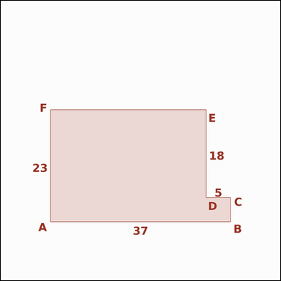 | 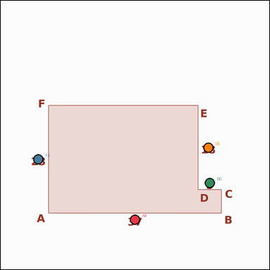 | task_geometry_analytical_2d_composite_area | l_shape_cutout | Work from the annotated scene showing a shaded composite geometric region with measurement annotations. Question: The shaded figure is an L-shaped region formed from a rectangle with one corner removed. What is the area of the shaded region in square units? Return a valid JSON object with keys "evidence" and "answer" in that order. Evidence field: set "evidence" to a JSON object that maps each required annotation label to its shown measurement value. Required annotations: AB, FA, DC, DE. Answer field: set "answer" to the area value as an integer. Example JSON: {"evidence":{"AB":2,"FA":3,"DC":4,"DE":5},"answer":8} | Work from the annotated scene showing a shaded composite geometric region with measurement annotations. Question: The shaded figure is an L-shaped region formed from a rectangle with one corner removed. What is the area of the shaded region in square units? Return a valid JSON object with key "answer". Answer format: set "answer" to the area value as an integer. Example JSON: {"answer":8} | {"evidence": {"AB": 37, "FA": 23, "DC": 5, "DE": 18}, "answer": 761} | {"AB": 37, "FA": 23, "DC": 5, "DE": 18} | integer | measurement_ref_map | 8.3455167067E+15 | geometry/task_geometry_analytical_2d_composite_area/images/l_shape_cutout/0003.png | geometry/task_geometry_analytical_2d_composite_area/data/l_shape_cutout/0003.json

rectangle_inner_cutout
image | evidence_image | task | task_variant | prompt | prompt_answer_only | answer | answer_evidence | answer_type | evidence_type | instance_seed | image_path | data_path
 |  | task_geometry_analytical_2d_composite_area | rectangle_inner_cutout | The image shows a shaded composite geometric region with measurement annotations. The shaded region is an outer rectangle with one inner rectangular cutout. What is the area of the shaded region in square units? Return a valid JSON object with keys "evidence" and "answer" in that order. Evidence rule: set "evidence" to a JSON object that maps each required annotation label to its shown measurement value. Required annotations: RS, ST, UV, VW. Answer rule: set "answer" to the area value as an integer. Example JSON: {"evidence":{"RS":2,"ST":3,"UV":4,"VW":5},"answer":8} | The image shows a shaded composite geometric region with measurement annotations. The shaded region is an outer rectangle with one inner rectangular cutout. What is the area of the shaded region in square units? Return a valid JSON object with key "answer". Answer format: set "answer" to the area value as an integer. Example JSON: {"answer":8} | {"evidence": {"RS": 34, "ST": 29, "UV": 12, "VW": 16}, "answer": 794} | {"RS": 34, "ST": 29, "UV": 12, "VW": 16} | integer | measurement_ref_map | 289158248633615 | geometry/task_geometry_analytical_2d_composite_area/images/rectangle_inner_cutout/0017.png | geometry/task_geometry_analytical_2d_composite_area/data/rectangle_inner_cutout/0017.json
 |  | task_geometry_analytical_2d_composite_area | rectangle_inner_cutout | Look at the annotated image showing a shaded composite geometric region with measurement annotations. Based on the shown values, answer this question: The shaded region is an outer rectangle with one inner rectangular cutout. What is the area of the shaded region in square units? Return a valid JSON object with keys "evidence" and "answer" in that order. Evidence requirement: set "evidence" to a JSON object that maps each required annotation label to its shown measurement value. Required annotations: ZA, AB, CD, DE. Answer format: set "answer" to the area value as an integer. Example JSON: {"evidence":{"ZA":2,"AB":3,"CD":4,"DE":5},"answer":8} | Look at the annotated image showing a shaded composite geometric region with measurement annotations. Based on the shown values, answer this question: The shaded region is an outer rectangle with one inner rectangular cutout. What is the area of the shaded region in square units? Return a valid JSON object with key "answer". Answer rule: set "answer" to the area value as an integer. Example JSON: {"answer":8} | {"evidence": {"ZA": 10, "AB": 13, "CD": 3, "DE": 10}, "answer": 100} | {"ZA": 10, "AB": 13, "CD": 3, "DE": 10} | integer | measurement_ref_map | 699120013715060 | geometry/task_geometry_analytical_2d_composite_area/images/rectangle_inner_cutout/0015.png | geometry/task_geometry_analytical_2d_composite_area/data/rectangle_inner_cutout/0015.json
 |  | task_geometry_analytical_2d_composite_area | rectangle_inner_cutout | You are given an image showing a shaded composite geometric region with measurement annotations. Task: The shaded region is an outer rectangle with one inner rectangular cutout. What is the area of the shaded region in square units? Return a valid JSON object with keys "evidence" and "answer" in that order. Evidence field: set "evidence" to a JSON object that maps each required annotation label to its shown measurement value. Required annotations: OP, PQ, RS, ST. Answer field: set "answer" to the area value as an integer. Example JSON: {"evidence":{"OP":2,"PQ":3,"RS":4,"ST":5},"answer":8} | You are given an image showing a shaded composite geometric region with measurement annotations. Task: The shaded region is an outer rectangle with one inner rectangular cutout. What is the area of the shaded region in square units? Return a valid JSON object with key "answer". Answer: set "answer" to the area value as an integer. Example JSON: {"answer":8} | {"evidence": {"OP": 21, "PQ": 40, "RS": 15, "ST": 7}, "answer": 735} | {"OP": 21, "PQ": 40, "RS": 15, "ST": 7} | integer | measurement_ref_map | 954625498690665 | geometry/task_geometry_analytical_2d_composite_area/images/rectangle_inner_cutout/0010.png | geometry/task_geometry_analytical_2d_composite_area/data/rectangle_inner_cutout/0010.json
 |  | task_geometry_analytical_2d_composite_area | rectangle_inner_cutout | The image shows a shaded composite geometric region with measurement annotations. Read the marked measurements and answer: The shaded region is an outer rectangle with one inner rectangular cutout. What is the area of the shaded region in square units? Return a valid JSON object with keys "evidence" and "answer" in that order. Evidence format: set "evidence" to a JSON object that maps each required annotation label to its shown measurement value. Required annotations: WX, XY, ZA, AB. Answer requirement: set "answer" to the area value as an integer. Example JSON: {"evidence":{"WX":2,"XY":3,"ZA":4,"AB":5},"answer":8} | The image shows a shaded composite geometric region with measurement annotations. Read the marked measurements and answer: The shaded region is an outer rectangle with one inner rectangular cutout. What is the area of the shaded region in square units? Return a valid JSON object with key "answer". Answer format: set "answer" to the area value as an integer. Example JSON: {"answer":8} | {"evidence": {"WX": 7, "XY": 33, "ZA": 2, "AB": 16}, "answer": 199} | {"WX": 7, "XY": 33, "ZA": 2, "AB": 16} | integer | measurement_ref_map | 1.167495288E+15 | geometry/task_geometry_analytical_2d_composite_area/images/rectangle_inner_cutout/0022.png | geometry/task_geometry_analytical_2d_composite_area/data/rectangle_inner_cutout/0022.json
 |  | task_geometry_analytical_2d_composite_area | rectangle_inner_cutout | You are given an image showing a shaded composite geometric region with measurement annotations. Read the marked measurements and answer: The shaded region is an outer rectangle with one inner rectangular cutout. What is the area of the shaded region in square units? Return a valid JSON object with keys "evidence" and "answer" in that order. Evidence format: set "evidence" to a JSON object that maps each required annotation label to its shown measurement value. Required annotations: KL, LM, NO, OP. Answer requirement: set "answer" to the area value as an integer. Example JSON: {"evidence":{"KL":2,"LM":3,"NO":4,"OP":5},"answer":8} | You are given an image showing a shaded composite geometric region with measurement annotations. Read the marked measurements and answer: The shaded region is an outer rectangle with one inner rectangular cutout. What is the area of the shaded region in square units? Return a valid JSON object with key "answer". Answer requirement: set "answer" to the area value as an integer. Example JSON: {"answer":8} | {"evidence": {"KL": 17, "LM": 27, "NO": 3, "OP": 16}, "answer": 411} | {"KL": 17, "LM": 27, "NO": 3, "OP": 16} | integer | measurement_ref_map | 2.1437500379E+15 | geometry/task_geometry_analytical_2d_composite_area/images/rectangle_inner_cutout/0021.png | geometry/task_geometry_analytical_2d_composite_area/data/rectangle_inner_cutout/0021.json
 |  | task_geometry_analytical_2d_composite_area | rectangle_inner_cutout | The image shows a shaded composite geometric region with measurement annotations. Read the marked measurements and answer: The shaded region is an outer rectangle with one inner rectangular cutout. What is the area of the shaded region in square units? Return a valid JSON object with keys "evidence" and "answer" in that order. Evidence format: set "evidence" to a JSON object that maps each required annotation label to its shown measurement value. Required annotations: XY, YZ, AB, BC. Answer requirement: set "answer" to the area value as an integer. Example JSON: {"evidence":{"XY":2,"YZ":3,"AB":4,"BC":5},"answer":8} | The image shows a shaded composite geometric region with measurement annotations. Read the marked measurements and answer: The shaded region is an outer rectangle with one inner rectangular cutout. What is the area of the shaded region in square units? Return a valid JSON object with key "answer". Answer: set "answer" to the area value as an integer. Example JSON: {"answer":8} | {"evidence": {"XY": 30, "YZ": 17, "AB": 14, "BC": 10}, "answer": 370} | {"XY": 30, "YZ": 17, "AB": 14, "BC": 10} | integer | measurement_ref_map | 2.4740097073E+15 | geometry/task_geometry_analytical_2d_composite_area/images/rectangle_inner_cutout/0020.png | geometry/task_geometry_analytical_2d_composite_area/data/rectangle_inner_cutout/0020.json
 |  | task_geometry_analytical_2d_composite_area | rectangle_inner_cutout | You are given an image showing a shaded composite geometric region with measurement annotations. Task: The shaded region is an outer rectangle with one inner rectangular cutout. What is the area of the shaded region in square units? Return a valid JSON object with keys "evidence" and "answer" in that order. Evidence: set "evidence" to a JSON object that maps each required annotation label to its shown measurement value. Required annotations: AB, BC, DE, EF. Answer: set "answer" to the area value as an integer. Example JSON: {"evidence":{"AB":2,"BC":3,"DE":4,"EF":5},"answer":8} | You are given an image showing a shaded composite geometric region with measurement annotations. Task: The shaded region is an outer rectangle with one inner rectangular cutout. What is the area of the shaded region in square units? Return a valid JSON object with key "answer". Answer: set "answer" to the area value as an integer. Example JSON: {"answer":8} | {"evidence": {"AB": 11, "BC": 24, "DE": 7, "EF": 9}, "answer": 201} | {"AB": 11, "BC": 24, "DE": 7, "EF": 9} | integer | measurement_ref_map | 3.3753270841E+15 | geometry/task_geometry_analytical_2d_composite_area/images/rectangle_inner_cutout/0007.png | geometry/task_geometry_analytical_2d_composite_area/data/rectangle_inner_cutout/0007.json
 |  | task_geometry_analytical_2d_composite_area | rectangle_inner_cutout | The image shows a shaded composite geometric region with measurement annotations. Task: The shaded region is an outer rectangle with one inner rectangular cutout. What is the area of the shaded region in square units? Return a valid JSON object with keys "evidence" and "answer" in that order. Evidence rule: set "evidence" to a JSON object that maps each required annotation label to its shown measurement value. Required annotations: KL, LM, NO, OP. Answer rule: set "answer" to the area value as an integer. Example JSON: {"evidence":{"KL":2,"LM":3,"NO":4,"OP":5},"answer":8} | The image shows a shaded composite geometric region with measurement annotations. Task: The shaded region is an outer rectangle with one inner rectangular cutout. What is the area of the shaded region in square units? Return a valid JSON object with key "answer". Answer format: set "answer" to the area value as an integer. Example JSON: {"answer":8} | {"evidence": {"KL": 32, "LM": 6, "NO": 13, "OP": 3}, "answer": 153} | {"KL": 32, "LM": 6, "NO": 13, "OP": 3} | integer | measurement_ref_map | 3.7287995434E+15 | geometry/task_geometry_analytical_2d_composite_area/images/rectangle_inner_cutout/0008.png | geometry/task_geometry_analytical_2d_composite_area/data/rectangle_inner_cutout/0008.json
 |  | task_geometry_analytical_2d_composite_area | rectangle_inner_cutout | The image shows a shaded composite geometric region with measurement annotations. Based on the shown values, answer this question: The shaded region is an outer rectangle with one inner rectangular cutout. What is the area of the shaded region in square units? Return a valid JSON object with keys "evidence" and "answer" in that order. Evidence requirement: set "evidence" to a JSON object that maps each required annotation label to its shown measurement value. Required annotations: CD, DE, FG, GH. Answer format: set "answer" to the area value as an integer. Example JSON: {"evidence":{"CD":2,"DE":3,"FG":4,"GH":5},"answer":8} | The image shows a shaded composite geometric region with measurement annotations. Based on the shown values, answer this question: The shaded region is an outer rectangle with one inner rectangular cutout. What is the area of the shaded region in square units? Return a valid JSON object with key "answer". Answer field: set "answer" to the area value as an integer. Example JSON: {"answer":8} | {"evidence": {"CD": 12, "DE": 38, "FG": 2, "GH": 29}, "answer": 398} | {"CD": 12, "DE": 38, "FG": 2, "GH": 29} | integer | measurement_ref_map | 3.8080764525E+15 | geometry/task_geometry_analytical_2d_composite_area/images/rectangle_inner_cutout/0003.png | geometry/task_geometry_analytical_2d_composite_area/data/rectangle_inner_cutout/0003.json
 |  | task_geometry_analytical_2d_composite_area | rectangle_inner_cutout | Work from the annotated scene showing a shaded composite geometric region with measurement annotations. Question: The shaded region is an outer rectangle with one inner rectangular cutout. What is the area of the shaded region in square units? Return a valid JSON object with keys "evidence" and "answer" in that order. Evidence rule: set "evidence" to a JSON object that maps each required annotation label to its shown measurement value. Required annotations: TU, UV, WX, XY. Answer rule: set "answer" to the area value as an integer. Example JSON: {"evidence":{"TU":2,"UV":3,"WX":4,"XY":5},"answer":8} | Work from the annotated scene showing a shaded composite geometric region with measurement annotations. Question: The shaded region is an outer rectangle with one inner rectangular cutout. What is the area of the shaded region in square units? Return a valid JSON object with key "answer". Answer requirement: set "answer" to the area value as an integer. Example JSON: {"answer":8} | {"evidence": {"TU": 40, "UV": 26, "WX": 29, "XY": 14}, "answer": 634} | {"TU": 40, "UV": 26, "WX": 29, "XY": 14} | integer | measurement_ref_map | 4.1777733035E+15 | geometry/task_geometry_analytical_2d_composite_area/images/rectangle_inner_cutout/0009.png | geometry/task_geometry_analytical_2d_composite_area/data/rectangle_inner_cutout/0009.json
 |  | task_geometry_analytical_2d_composite_area | rectangle_inner_cutout | The image shows a shaded composite geometric region with measurement annotations. Task: The shaded region is an outer rectangle with one inner rectangular cutout. What is the area of the shaded region in square units? Return a valid JSON object with keys "evidence" and "answer" in that order. Evidence rule: set "evidence" to a JSON object that maps each required annotation label to its shown measurement value. Required annotations: BC, CD, EF, FG. Answer rule: set "answer" to the area value as an integer. Example JSON: {"evidence":{"BC":2,"CD":3,"EF":4,"FG":5},"answer":8} | The image shows a shaded composite geometric region with measurement annotations. Task: The shaded region is an outer rectangle with one inner rectangular cutout. What is the area of the shaded region in square units? Return a valid JSON object with key "answer". Answer rule: set "answer" to the area value as an integer. Example JSON: {"answer":8} | {"evidence": {"BC": 33, "CD": 37, "EF": 14, "FG": 11}, "answer": 1067} | {"BC": 33, "CD": 37, "EF": 14, "FG": 11} | integer | measurement_ref_map | 4.4338161233E+15 | geometry/task_geometry_analytical_2d_composite_area/images/rectangle_inner_cutout/0001.png | geometry/task_geometry_analytical_2d_composite_area/data/rectangle_inner_cutout/0001.json
 |  | task_geometry_analytical_2d_composite_area | rectangle_inner_cutout | Use the image showing a shaded composite geometric region with measurement annotations. Read the marked measurements and answer: The shaded region is an outer rectangle with one inner rectangular cutout. What is the area of the shaded region in square units? Return a valid JSON object with keys "evidence" and "answer" in that order. Evidence field: set "evidence" to a JSON object that maps each required annotation label to its shown measurement value. Required annotations: GH, HI, JK, KL. Answer field: set "answer" to the area value as an integer. Example JSON: {"evidence":{"GH":2,"HI":3,"JK":4,"KL":5},"answer":8} | Use the image showing a shaded composite geometric region with measurement annotations. Read the marked measurements and answer: The shaded region is an outer rectangle with one inner rectangular cutout. What is the area of the shaded region in square units? Return a valid JSON object with key "answer". Answer: set "answer" to the area value as an integer. Example JSON: {"answer":8} | {"evidence": {"GH": 31, "HI": 32, "JK": 11, "KL": 20}, "answer": 772} | {"GH": 31, "HI": 32, "JK": 11, "KL": 20} | integer | measurement_ref_map | 4.7597592928E+15 | geometry/task_geometry_analytical_2d_composite_area/images/rectangle_inner_cutout/0012.png | geometry/task_geometry_analytical_2d_composite_area/data/rectangle_inner_cutout/0012.json
 |  | task_geometry_analytical_2d_composite_area | rectangle_inner_cutout | Look at the annotated image showing a shaded composite geometric region with measurement annotations. The shaded region is an outer rectangle with one inner rectangular cutout. What is the area of the shaded region in square units? Return a valid JSON object with keys "evidence" and "answer" in that order. Evidence field: set "evidence" to a JSON object that maps each required annotation label to its shown measurement value. Required annotations: MN, NO, PQ, QR. Answer field: set "answer" to the area value as an integer. Example JSON: {"evidence":{"MN":2,"NO":3,"PQ":4,"QR":5},"answer":8} | Look at the annotated image showing a shaded composite geometric region with measurement annotations. The shaded region is an outer rectangle with one inner rectangular cutout. What is the area of the shaded region in square units? Return a valid JSON object with key "answer". Answer requirement: set "answer" to the area value as an integer. Example JSON: {"answer":8} | {"evidence": {"MN": 33, "NO": 26, "PQ": 15, "QR": 12}, "answer": 678} | {"MN": 33, "NO": 26, "PQ": 15, "QR": 12} | integer | measurement_ref_map | 5.1735521482E+15 | geometry/task_geometry_analytical_2d_composite_area/images/rectangle_inner_cutout/0004.png | geometry/task_geometry_analytical_2d_composite_area/data/rectangle_inner_cutout/0004.json
 |  | task_geometry_analytical_2d_composite_area | rectangle_inner_cutout | The image shows a shaded composite geometric region with measurement annotations. Read the marked measurements and answer: The shaded region is an outer rectangle with one inner rectangular cutout. What is the area of the shaded region in square units? Return a valid JSON object with keys "evidence" and "answer" in that order. Evidence rule: set "evidence" to a JSON object that maps each required annotation label to its shown measurement value. Required annotations: VW, WX, YZ, ZA. Answer rule: set "answer" to the area value as an integer. Example JSON: {"evidence":{"VW":2,"WX":3,"YZ":4,"ZA":5},"answer":8} | The image shows a shaded composite geometric region with measurement annotations. Read the marked measurements and answer: The shaded region is an outer rectangle with one inner rectangular cutout. What is the area of the shaded region in square units? Return a valid JSON object with key "answer". Answer format: set "answer" to the area value as an integer. Example JSON: {"answer":8} | {"evidence": {"VW": 39, "WX": 7, "YZ": 8, "ZA": 4}, "answer": 241} | {"VW": 39, "WX": 7, "YZ": 8, "ZA": 4} | integer | measurement_ref_map | 5.3443162983E+15 | geometry/task_geometry_analytical_2d_composite_area/images/rectangle_inner_cutout/0013.png | geometry/task_geometry_analytical_2d_composite_area/data/rectangle_inner_cutout/0013.json
 |  | task_geometry_analytical_2d_composite_area | rectangle_inner_cutout | Use the image showing a shaded composite geometric region with measurement annotations. Based on the shown values, answer this question: The shaded region is an outer rectangle with one inner rectangular cutout. What is the area of the shaded region in square units? Return a valid JSON object with keys "evidence" and "answer" in that order. Evidence format: set "evidence" to a JSON object that maps each required annotation label to its shown measurement value. Required annotations: QR, RS, TU, UV. Answer requirement: set "answer" to the area value as an integer. Example JSON: {"evidence":{"QR":2,"RS":3,"TU":4,"UV":5},"answer":8} | Use the image showing a shaded composite geometric region with measurement annotations. Based on the shown values, answer this question: The shaded region is an outer rectangle with one inner rectangular cutout. What is the area of the shaded region in square units? Return a valid JSON object with key "answer". Answer rule: set "answer" to the area value as an integer. Example JSON: {"answer":8} | {"evidence": {"QR": 16, "RS": 12, "TU": 10, "UV": 8}, "answer": 112} | {"QR": 16, "RS": 12, "TU": 10, "UV": 8} | integer | measurement_ref_map | 5.492985475E+15 | geometry/task_geometry_analytical_2d_composite_area/images/rectangle_inner_cutout/0016.png | geometry/task_geometry_analytical_2d_composite_area/data/rectangle_inner_cutout/0016.json
 |  | task_geometry_analytical_2d_composite_area | rectangle_inner_cutout | Work from the annotated scene showing a shaded composite geometric region with measurement annotations. The shaded region is an outer rectangle with one inner rectangular cutout. What is the area of the shaded region in square units? Return a valid JSON object with keys "evidence" and "answer" in that order. Evidence format: set "evidence" to a JSON object that maps each required annotation label to its shown measurement value. Required annotations: ST, TU, VW, WX. Answer requirement: set "answer" to the area value as an integer. Example JSON: {"evidence":{"ST":2,"TU":3,"VW":4,"WX":5},"answer":8} | Work from the annotated scene showing a shaded composite geometric region with measurement annotations. The shaded region is an outer rectangle with one inner rectangular cutout. What is the area of the shaded region in square units? Return a valid JSON object with key "answer". Answer field: set "answer" to the area value as an integer. Example JSON: {"answer":8} | {"evidence": {"ST": 27, "TU": 33, "VW": 11, "WX": 24}, "answer": 627} | {"ST": 27, "TU": 33, "VW": 11, "WX": 24} | integer | measurement_ref_map | 5.6982850424E+15 | geometry/task_geometry_analytical_2d_composite_area/images/rectangle_inner_cutout/0023.png | geometry/task_geometry_analytical_2d_composite_area/data/rectangle_inner_cutout/0023.json
 |  | task_geometry_analytical_2d_composite_area | rectangle_inner_cutout | Look at the annotated image showing a shaded composite geometric region with measurement annotations. Task: The shaded region is an outer rectangle with one inner rectangular cutout. What is the area of the shaded region in square units? Return a valid JSON object with keys "evidence" and "answer" in that order. Evidence: set "evidence" to a JSON object that maps each required annotation label to its shown measurement value. Required annotations: YZ, ZA, BC, CD. Answer: set "answer" to the area value as an integer. Example JSON: {"evidence":{"YZ":2,"ZA":3,"BC":4,"CD":5},"answer":8} | Look at the annotated image showing a shaded composite geometric region with measurement annotations. Task: The shaded region is an outer rectangle with one inner rectangular cutout. What is the area of the shaded region in square units? Return a valid JSON object with key "answer". Answer format: set "answer" to the area value as an integer. Example JSON: {"answer":8} | {"evidence": {"YZ": 33, "ZA": 31, "BC": 29, "CD": 21}, "answer": 414} | {"YZ": 33, "ZA": 31, "BC": 29, "CD": 21} | integer | measurement_ref_map | 6.8414741689E+15 | geometry/task_geometry_analytical_2d_composite_area/images/rectangle_inner_cutout/0005.png | geometry/task_geometry_analytical_2d_composite_area/data/rectangle_inner_cutout/0005.json
 |  | task_geometry_analytical_2d_composite_area | rectangle_inner_cutout | Work from the annotated scene showing a shaded composite geometric region with measurement annotations. Task: The shaded region is an outer rectangle with one inner rectangular cutout. What is the area of the shaded region in square units? Return a valid JSON object with keys "evidence" and "answer" in that order. Evidence format: set "evidence" to a JSON object that maps each required annotation label to its shown measurement value. Required annotations: LM, MN, OP, PQ. Answer requirement: set "answer" to the area value as an integer. Example JSON: {"evidence":{"LM":2,"MN":3,"OP":4,"PQ":5},"answer":8} | Work from the annotated scene showing a shaded composite geometric region with measurement annotations. Task: The shaded region is an outer rectangle with one inner rectangular cutout. What is the area of the shaded region in square units? Return a valid JSON object with key "answer". Answer requirement: set "answer" to the area value as an integer. Example JSON: {"answer":8} | {"evidence": {"LM": 19, "MN": 12, "OP": 6, "PQ": 5}, "answer": 198} | {"LM": 19, "MN": 12, "OP": 6, "PQ": 5} | integer | measurement_ref_map | 6.8525324118E+15 | geometry/task_geometry_analytical_2d_composite_area/images/rectangle_inner_cutout/0014.png | geometry/task_geometry_analytical_2d_composite_area/data/rectangle_inner_cutout/0014.json
 |  | task_geometry_analytical_2d_composite_area | rectangle_inner_cutout | Look at the annotated image showing a shaded composite geometric region with measurement annotations. Based on the shown values, answer this question: The shaded region is an outer rectangle with one inner rectangular cutout. What is the area of the shaded region in square units? Return a valid JSON object with keys "evidence" and "answer" in that order. Evidence: set "evidence" to a JSON object that maps each required annotation label to its shown measurement value. Required annotations: RS, ST, UV, VW. Answer: set "answer" to the area value as an integer. Example JSON: {"evidence":{"RS":2,"ST":3,"UV":4,"VW":5},"answer":8} | Look at the annotated image showing a shaded composite geometric region with measurement annotations. Based on the shown values, answer this question: The shaded region is an outer rectangle with one inner rectangular cutout. What is the area of the shaded region in square units? Return a valid JSON object with key "answer". Answer rule: set "answer" to the area value as an integer. Example JSON: {"answer":8} | {"evidence": {"RS": 38, "ST": 36, "UV": 31, "VW": 29}, "answer": 469} | {"RS": 38, "ST": 36, "UV": 31, "VW": 29} | integer | measurement_ref_map | 6.8634495655E+15 | geometry/task_geometry_analytical_2d_composite_area/images/rectangle_inner_cutout/0011.png | geometry/task_geometry_analytical_2d_composite_area/data/rectangle_inner_cutout/0011.json
 |  | task_geometry_analytical_2d_composite_area | rectangle_inner_cutout | Look at the annotated image showing a shaded composite geometric region with measurement annotations. The shaded region is an outer rectangle with one inner rectangular cutout. What is the area of the shaded region in square units? Return a valid JSON object with keys "evidence" and "answer" in that order. Evidence field: set "evidence" to a JSON object that maps each required annotation label to its shown measurement value. Required annotations: GH, HI, JK, KL. Answer field: set "answer" to the area value as an integer. Example JSON: {"evidence":{"GH":2,"HI":3,"JK":4,"KL":5},"answer":8} | Look at the annotated image showing a shaded composite geometric region with measurement annotations. The shaded region is an outer rectangle with one inner rectangular cutout. What is the area of the shaded region in square units? Return a valid JSON object with key "answer". Answer: set "answer" to the area value as an integer. Example JSON: {"answer":8} | {"evidence": {"GH": 16, "HI": 8, "JK": 14, "KL": 4}, "answer": 72} | {"GH": 16, "HI": 8, "JK": 14, "KL": 4} | integer | measurement_ref_map | 7.155491154E+15 | geometry/task_geometry_analytical_2d_composite_area/images/rectangle_inner_cutout/0019.png | geometry/task_geometry_analytical_2d_composite_area/data/rectangle_inner_cutout/0019.json
 |  | task_geometry_analytical_2d_composite_area | rectangle_inner_cutout | Work from the annotated scene showing a shaded composite geometric region with measurement annotations. Task: The shaded region is an outer rectangle with one inner rectangular cutout. What is the area of the shaded region in square units? Return a valid JSON object with keys "evidence" and "answer" in that order. Evidence requirement: set "evidence" to a JSON object that maps each required annotation label to its shown measurement value. Required annotations: AB, BC, DE, EF. Answer format: set "answer" to the area value as an integer. Example JSON: {"evidence":{"AB":2,"BC":3,"DE":4,"EF":5},"answer":8} | Work from the annotated scene showing a shaded composite geometric region with measurement annotations. Task: The shaded region is an outer rectangle with one inner rectangular cutout. What is the area of the shaded region in square units? Return a valid JSON object with key "answer". Answer: set "answer" to the area value as an integer. Example JSON: {"answer":8} | {"evidence": {"AB": 7, "BC": 28, "DE": 5, "EF": 4}, "answer": 176} | {"AB": 7, "BC": 28, "DE": 5, "EF": 4} | integer | measurement_ref_map | 7.4610109431E+15 | geometry/task_geometry_analytical_2d_composite_area/images/rectangle_inner_cutout/0002.png | geometry/task_geometry_analytical_2d_composite_area/data/rectangle_inner_cutout/0002.json
 |  | task_geometry_analytical_2d_composite_area | rectangle_inner_cutout | Use the image showing a shaded composite geometric region with measurement annotations. Read the marked measurements and answer: The shaded region is an outer rectangle with one inner rectangular cutout. What is the area of the shaded region in square units? Return a valid JSON object with keys "evidence" and "answer" in that order. Evidence requirement: set "evidence" to a JSON object that maps each required annotation label to its shown measurement value. Required annotations: MN, NO, PQ, QR. Answer format: set "answer" to the area value as an integer. Example JSON: {"evidence":{"MN":2,"NO":3,"PQ":4,"QR":5},"answer":8} | Use the image showing a shaded composite geometric region with measurement annotations. Read the marked measurements and answer: The shaded region is an outer rectangle with one inner rectangular cutout. What is the area of the shaded region in square units? Return a valid JSON object with key "answer". Answer field: set "answer" to the area value as an integer. Example JSON: {"answer":8} | {"evidence": {"MN": 7, "NO": 35, "PQ": 2, "QR": 22}, "answer": 201} | {"MN": 7, "NO": 35, "PQ": 2, "QR": 22} | integer | measurement_ref_map | 7.7435919141E+15 | geometry/task_geometry_analytical_2d_composite_area/images/rectangle_inner_cutout/0018.png | geometry/task_geometry_analytical_2d_composite_area/data/rectangle_inner_cutout/0018.json
 |  | task_geometry_analytical_2d_composite_area | rectangle_inner_cutout | You are given an image showing a shaded composite geometric region with measurement annotations. Question: The shaded region is an outer rectangle with one inner rectangular cutout. What is the area of the shaded region in square units? Return a valid JSON object with keys "evidence" and "answer" in that order. Evidence requirement: set "evidence" to a JSON object that maps each required annotation label to its shown measurement value. Required annotations: XY, YZ, AB, BC. Answer format: set "answer" to the area value as an integer. Example JSON: {"evidence":{"XY":2,"YZ":3,"AB":4,"BC":5},"answer":8} | You are given an image showing a shaded composite geometric region with measurement annotations. Question: The shaded region is an outer rectangle with one inner rectangular cutout. What is the area of the shaded region in square units? Return a valid JSON object with key "answer". Answer field: set "answer" to the area value as an integer. Example JSON: {"answer":8} | {"evidence": {"XY": 21, "YZ": 9, "AB": 14, "BC": 7}, "answer": 91} | {"XY": 21, "YZ": 9, "AB": 14, "BC": 7} | integer | measurement_ref_map | 8.0756285672E+15 | geometry/task_geometry_analytical_2d_composite_area/images/rectangle_inner_cutout/0000.png | geometry/task_geometry_analytical_2d_composite_area/data/rectangle_inner_cutout/0000.json
 |  | task_geometry_analytical_2d_composite_area | rectangle_inner_cutout | Look at the annotated image showing a shaded composite geometric region with measurement annotations. Task: The shaded region is an outer rectangle with one inner rectangular cutout. What is the area of the shaded region in square units? Return a valid JSON object with keys "evidence" and "answer" in that order. Evidence: set "evidence" to a JSON object that maps each required annotation label to its shown measurement value. Required annotations: QR, RS, TU, UV. Answer: set "answer" to the area value as an integer. Example JSON: {"evidence":{"QR":2,"RS":3,"TU":4,"UV":5},"answer":8} | Look at the annotated image showing a shaded composite geometric region with measurement annotations. Task: The shaded region is an outer rectangle with one inner rectangular cutout. What is the area of the shaded region in square units? Return a valid JSON object with key "answer". Answer rule: set "answer" to the area value as an integer. Example JSON: {"answer":8} | {"evidence": {"QR": 8, "RS": 6, "TU": 4, "UV": 4}, "answer": 32} | {"QR": 8, "RS": 6, "TU": 4, "UV": 4} | integer | measurement_ref_map | 8.6224923443E+15 | geometry/task_geometry_analytical_2d_composite_area/images/rectangle_inner_cutout/0006.png | geometry/task_geometry_analytical_2d_composite_area/data/rectangle_inner_cutout/0006.json
 |  | task_geometry_analytical_2d_composite_area | rectangle_inner_cutout | You are given an image showing a shaded composite geometric region with measurement annotations. Based on the shown values, answer this question: The shaded region is an outer rectangle with one inner rectangular cutout. What is the area of the shaded region in square units? Return a valid JSON object with keys "evidence" and "answer" in that order. Evidence requirement: set "evidence" to a JSON object that maps each required annotation label to its shown measurement value. Required annotations: GH, HI, JK, KL. Answer format: set "answer" to the area value as an integer. Example JSON: {"evidence":{"GH":2,"HI":3,"JK":4,"KL":5},"answer":8} | You are given an image showing a shaded composite geometric region with measurement annotations. Based on the shown values, answer this question: The shaded region is an outer rectangle with one inner rectangular cutout. What is the area of the shaded region in square units? Return a valid JSON object with key "answer". Answer requirement: set "answer" to the area value as an integer. Example JSON: {"answer":8} | {"evidence": {"GH": 33, "HI": 17, "JK": 14, "KL": 7}, "answer": 463} | {"GH": 33, "HI": 17, "JK": 14, "KL": 7} | integer | measurement_ref_map | 8.6868489282E+15 | geometry/task_geometry_analytical_2d_composite_area/images/rectangle_inner_cutout/0024.png | geometry/task_geometry_analytical_2d_composite_area/data/rectangle_inner_cutout/0024.json

rectangle_triangle_cutout
image | evidence_image | task | task_variant | prompt | prompt_answer_only | answer | answer_evidence | answer_type | evidence_type | instance_seed | image_path | data_path
 |  | task_geometry_analytical_2d_composite_area | rectangle_triangle_cutout | Work from the annotated scene showing a shaded composite geometric region with measurement annotations. Based on the shown values, answer this question: The shaded region is a rectangle with one triangular corner cut out. What is the area of the shaded region in square units? Return a valid JSON object with keys "evidence" and "answer" in that order. Evidence format: set "evidence" to a JSON object that maps each required annotation label to its shown measurement value. Required annotations: TU, UV, WV, XV. Answer requirement: set "answer" to the area value as an integer. Example JSON: {"evidence":{"TU":2,"UV":3,"WV":4,"XV":5},"answer":8} | Work from the annotated scene showing a shaded composite geometric region with measurement annotations. Based on the shown values, answer this question: The shaded region is a rectangle with one triangular corner cut out. What is the area of the shaded region in square units? Return a valid JSON object with key "answer". Answer rule: set "answer" to the area value as an integer. Example JSON: {"answer":8} | {"evidence": {"TU": 27, "UV": 22, "WV": 20, "XV": 13}, "answer": 464} | {"TU": 27, "UV": 22, "WV": 20, "XV": 13} | integer | measurement_ref_map | 322957122418581 | geometry/task_geometry_analytical_2d_composite_area/images/rectangle_triangle_cutout/0006.png | geometry/task_geometry_analytical_2d_composite_area/data/rectangle_triangle_cutout/0006.json
 |  | task_geometry_analytical_2d_composite_area | rectangle_triangle_cutout | Use the image showing a shaded composite geometric region with measurement annotations. Question: The shaded region is a rectangle with one triangular corner cut out. What is the area of the shaded region in square units? Return a valid JSON object with keys "evidence" and "answer" in that order. Evidence requirement: set "evidence" to a JSON object that maps each required annotation label to its shown measurement value. Required annotations: QR, RS, TS, US. Answer format: set "answer" to the area value as an integer. Example JSON: {"evidence":{"QR":2,"RS":3,"TS":4,"US":5},"answer":8} | Use the image showing a shaded composite geometric region with measurement annotations. Question: The shaded region is a rectangle with one triangular corner cut out. What is the area of the shaded region in square units? Return a valid JSON object with key "answer". Answer requirement: set "answer" to the area value as an integer. Example JSON: {"answer":8} | {"evidence": {"QR": 9, "RS": 29, "TS": 6, "US": 20}, "answer": 201} | {"QR": 9, "RS": 29, "TS": 6, "US": 20} | integer | measurement_ref_map | 827412145964271 | geometry/task_geometry_analytical_2d_composite_area/images/rectangle_triangle_cutout/0012.png | geometry/task_geometry_analytical_2d_composite_area/data/rectangle_triangle_cutout/0012.json
 |  | task_geometry_analytical_2d_composite_area | rectangle_triangle_cutout | Work from the annotated scene showing a shaded composite geometric region with measurement annotations. Task: The shaded region is a rectangle with one triangular corner cut out. What is the area of the shaded region in square units? Return a valid JSON object with keys "evidence" and "answer" in that order. Evidence field: set "evidence" to a JSON object that maps each required annotation label to its shown measurement value. Required annotations: PQ, QR, SR, TR. Answer field: set "answer" to the area value as an integer. Example JSON: {"evidence":{"PQ":2,"QR":3,"SR":4,"TR":5},"answer":8} | Work from the annotated scene showing a shaded composite geometric region with measurement annotations. Task: The shaded region is a rectangle with one triangular corner cut out. What is the area of the shaded region in square units? Return a valid JSON object with key "answer". Answer field: set "answer" to the area value as an integer. Example JSON: {"answer":8} | {"evidence": {"PQ": 34, "QR": 7, "SR": 26, "TR": 2}, "answer": 212} | {"PQ": 34, "QR": 7, "SR": 26, "TR": 2} | integer | measurement_ref_map | 1.2117026794E+15 | geometry/task_geometry_analytical_2d_composite_area/images/rectangle_triangle_cutout/0020.png | geometry/task_geometry_analytical_2d_composite_area/data/rectangle_triangle_cutout/0020.json
 |  | task_geometry_analytical_2d_composite_area | rectangle_triangle_cutout | The image shows a shaded composite geometric region with measurement annotations. Based on the shown values, answer this question: The shaded region is a rectangle with one triangular corner cut out. What is the area of the shaded region in square units? Return a valid JSON object with keys "evidence" and "answer" in that order. Evidence format: set "evidence" to a JSON object that maps each required annotation label to its shown measurement value. Required annotations: TU, UV, WV, XV. Answer requirement: set "answer" to the area value as an integer. Example JSON: {"evidence":{"TU":2,"UV":3,"WV":4,"XV":5},"answer":8} | The image shows a shaded composite geometric region with measurement annotations. Based on the shown values, answer this question: The shaded region is a rectangle with one triangular corner cut out. What is the area of the shaded region in square units? Return a valid JSON object with key "answer". Answer: set "answer" to the area value as an integer. Example JSON: {"answer":8} | {"evidence": {"TU": 9, "UV": 23, "WV": 8, "XV": 9}, "answer": 171} | {"TU": 9, "UV": 23, "WV": 8, "XV": 9} | integer | measurement_ref_map | 1.5855386256E+15 | geometry/task_geometry_analytical_2d_composite_area/images/rectangle_triangle_cutout/0007.png | geometry/task_geometry_analytical_2d_composite_area/data/rectangle_triangle_cutout/0007.json
 |  | task_geometry_analytical_2d_composite_area | rectangle_triangle_cutout | The image shows a shaded composite geometric region with measurement annotations. Task: The shaded region is a rectangle with one triangular corner cut out. What is the area of the shaded region in square units? Return a valid JSON object with keys "evidence" and "answer" in that order. Evidence requirement: set "evidence" to a JSON object that maps each required annotation label to its shown measurement value. Required annotations: ST, TU, VU, WU. Answer format: set "answer" to the area value as an integer. Example JSON: {"evidence":{"ST":2,"TU":3,"VU":4,"WU":5},"answer":8} | The image shows a shaded composite geometric region with measurement annotations. Task: The shaded region is a rectangle with one triangular corner cut out. What is the area of the shaded region in square units? Return a valid JSON object with key "answer". Answer field: set "answer" to the area value as an integer. Example JSON: {"answer":8} | {"evidence": {"ST": 13, "TU": 34, "VU": 8, "WU": 25}, "answer": 342} | {"ST": 13, "TU": 34, "VU": 8, "WU": 25} | integer | measurement_ref_map | 2.4373100733E+15 | geometry/task_geometry_analytical_2d_composite_area/images/rectangle_triangle_cutout/0017.png | geometry/task_geometry_analytical_2d_composite_area/data/rectangle_triangle_cutout/0017.json
 |  | task_geometry_analytical_2d_composite_area | rectangle_triangle_cutout | The image shows a shaded composite geometric region with measurement annotations. Task: The shaded region is a rectangle with one triangular corner cut out. What is the area of the shaded region in square units? Return a valid JSON object with keys "evidence" and "answer" in that order. Evidence: set "evidence" to a JSON object that maps each required annotation label to its shown measurement value. Required annotations: YZ, ZA, BA, CA. Answer: set "answer" to the area value as an integer. Example JSON: {"evidence":{"YZ":2,"ZA":3,"BA":4,"CA":5},"answer":8} | The image shows a shaded composite geometric region with measurement annotations. Task: The shaded region is a rectangle with one triangular corner cut out. What is the area of the shaded region in square units? Return a valid JSON object with key "answer". Answer format: set "answer" to the area value as an integer. Example JSON: {"answer":8} | {"evidence": {"YZ": 18, "ZA": 21, "BA": 17, "CA": 18}, "answer": 225} | {"YZ": 18, "ZA": 21, "BA": 17, "CA": 18} | integer | measurement_ref_map | 2.5024268289E+15 | geometry/task_geometry_analytical_2d_composite_area/images/rectangle_triangle_cutout/0013.png | geometry/task_geometry_analytical_2d_composite_area/data/rectangle_triangle_cutout/0013.json
 |  | task_geometry_analytical_2d_composite_area | rectangle_triangle_cutout | Use the image showing a shaded composite geometric region with measurement annotations. Task: The shaded region is a rectangle with one triangular corner cut out. What is the area of the shaded region in square units? Return a valid JSON object with keys "evidence" and "answer" in that order. Evidence field: set "evidence" to a JSON object that maps each required annotation label to its shown measurement value. Required annotations: VW, WX, YX, ZX. Answer field: set "answer" to the area value as an integer. Example JSON: {"evidence":{"VW":2,"WX":3,"YX":4,"ZX":5},"answer":8} | Use the image showing a shaded composite geometric region with measurement annotations. Task: The shaded region is a rectangle with one triangular corner cut out. What is the area of the shaded region in square units? Return a valid JSON object with key "answer". Answer field: set "answer" to the area value as an integer. Example JSON: {"answer":8} | {"evidence": {"VW": 31, "WX": 8, "YX": 10, "ZX": 4}, "answer": 228} | {"VW": 31, "WX": 8, "YX": 10, "ZX": 4} | integer | measurement_ref_map | 2.581802638E+15 | geometry/task_geometry_analytical_2d_composite_area/images/rectangle_triangle_cutout/0019.png | geometry/task_geometry_analytical_2d_composite_area/data/rectangle_triangle_cutout/0019.json
 |  | task_geometry_analytical_2d_composite_area | rectangle_triangle_cutout | Use the image showing a shaded composite geometric region with measurement annotations. The shaded region is a rectangle with one triangular corner cut out. What is the area of the shaded region in square units? Return a valid JSON object with keys "evidence" and "answer" in that order. Evidence rule: set "evidence" to a JSON object that maps each required annotation label to its shown measurement value. Required annotations: QR, RS, TS, US. Answer rule: set "answer" to the area value as an integer. Example JSON: {"evidence":{"QR":2,"RS":3,"TS":4,"US":5},"answer":8} | Use the image showing a shaded composite geometric region with measurement annotations. The shaded region is a rectangle with one triangular corner cut out. What is the area of the shaded region in square units? Return a valid JSON object with key "answer". Answer: set "answer" to the area value as an integer. Example JSON: {"answer":8} | {"evidence": {"QR": 13, "RS": 38, "TS": 12, "US": 17}, "answer": 392} | {"QR": 13, "RS": 38, "TS": 12, "US": 17} | integer | measurement_ref_map | 2.804013634E+15 | geometry/task_geometry_analytical_2d_composite_area/images/rectangle_triangle_cutout/0002.png | geometry/task_geometry_analytical_2d_composite_area/data/rectangle_triangle_cutout/0002.json
 |  | task_geometry_analytical_2d_composite_area | rectangle_triangle_cutout | Use the image showing a shaded composite geometric region with measurement annotations. Task: The shaded region is a rectangle with one triangular corner cut out. What is the area of the shaded region in square units? Return a valid JSON object with keys "evidence" and "answer" in that order. Evidence requirement: set "evidence" to a JSON object that maps each required annotation label to its shown measurement value. Required annotations: EF, FG, HG, IG. Answer format: set "answer" to the area value as an integer. Example JSON: {"evidence":{"EF":2,"FG":3,"HG":4,"IG":5},"answer":8} | Use the image showing a shaded composite geometric region with measurement annotations. Task: The shaded region is a rectangle with one triangular corner cut out. What is the area of the shaded region in square units? Return a valid JSON object with key "answer". Answer field: set "answer" to the area value as an integer. Example JSON: {"answer":8} | {"evidence": {"EF": 37, "FG": 30, "HG": 11, "IG": 14}, "answer": 1033} | {"EF": 37, "FG": 30, "HG": 11, "IG": 14} | integer | measurement_ref_map | 3.0098228919E+15 | geometry/task_geometry_analytical_2d_composite_area/images/rectangle_triangle_cutout/0003.png | geometry/task_geometry_analytical_2d_composite_area/data/rectangle_triangle_cutout/0003.json
 |  | task_geometry_analytical_2d_composite_area | rectangle_triangle_cutout | Look at the annotated image showing a shaded composite geometric region with measurement annotations. The shaded region is a rectangle with one triangular corner cut out. What is the area of the shaded region in square units? Return a valid JSON object with keys "evidence" and "answer" in that order. Evidence rule: set "evidence" to a JSON object that maps each required annotation label to its shown measurement value. Required annotations: NO, OP, QP, RP. Answer rule: set "answer" to the area value as an integer. Example JSON: {"evidence":{"NO":2,"OP":3,"QP":4,"RP":5},"answer":8} | Look at the annotated image showing a shaded composite geometric region with measurement annotations. The shaded region is a rectangle with one triangular corner cut out. What is the area of the shaded region in square units? Return a valid JSON object with key "answer". Answer rule: set "answer" to the area value as an integer. Example JSON: {"answer":8} | {"evidence": {"NO": 24, "OP": 17, "QP": 8, "RP": 9}, "answer": 372} | {"NO": 24, "OP": 17, "QP": 8, "RP": 9} | integer | measurement_ref_map | 3.0371491568E+15 | geometry/task_geometry_analytical_2d_composite_area/images/rectangle_triangle_cutout/0000.png | geometry/task_geometry_analytical_2d_composite_area/data/rectangle_triangle_cutout/0000.json
 |  | task_geometry_analytical_2d_composite_area | rectangle_triangle_cutout | Use the image showing a shaded composite geometric region with measurement annotations. The shaded region is a rectangle with one triangular corner cut out. What is the area of the shaded region in square units? Return a valid JSON object with keys "evidence" and "answer" in that order. Evidence field: set "evidence" to a JSON object that maps each required annotation label to its shown measurement value. Required annotations: KL, LM, NM, OM. Answer field: set "answer" to the area value as an integer. Example JSON: {"evidence":{"KL":2,"LM":3,"NM":4,"OM":5},"answer":8} | Use the image showing a shaded composite geometric region with measurement annotations. The shaded region is a rectangle with one triangular corner cut out. What is the area of the shaded region in square units? Return a valid JSON object with key "answer". Answer rule: set "answer" to the area value as an integer. Example JSON: {"answer":8} | {"evidence": {"KL": 33, "LM": 33, "NM": 4, "OM": 17}, "answer": 1055} | {"KL": 33, "LM": 33, "NM": 4, "OM": 17} | integer | measurement_ref_map | 3.1456684575E+15 | geometry/task_geometry_analytical_2d_composite_area/images/rectangle_triangle_cutout/0008.png | geometry/task_geometry_analytical_2d_composite_area/data/rectangle_triangle_cutout/0008.json
 |  | task_geometry_analytical_2d_composite_area | rectangle_triangle_cutout | Work from the annotated scene showing a shaded composite geometric region with measurement annotations. The shaded region is a rectangle with one triangular corner cut out. What is the area of the shaded region in square units? Return a valid JSON object with keys "evidence" and "answer" in that order. Evidence format: set "evidence" to a JSON object that maps each required annotation label to its shown measurement value. Required annotations: BC, CD, ED, FD. Answer requirement: set "answer" to the area value as an integer. Example JSON: {"evidence":{"BC":2,"CD":3,"ED":4,"FD":5},"answer":8} | Work from the annotated scene showing a shaded composite geometric region with measurement annotations. The shaded region is a rectangle with one triangular corner cut out. What is the area of the shaded region in square units? Return a valid JSON object with key "answer". Answer requirement: set "answer" to the area value as an integer. Example JSON: {"answer":8} | {"evidence": {"BC": 19, "CD": 8, "ED": 14, "FD": 3}, "answer": 131} | {"BC": 19, "CD": 8, "ED": 14, "FD": 3} | integer | measurement_ref_map | 3.370301888E+15 | geometry/task_geometry_analytical_2d_composite_area/images/rectangle_triangle_cutout/0011.png | geometry/task_geometry_analytical_2d_composite_area/data/rectangle_triangle_cutout/0011.json
 |  | task_geometry_analytical_2d_composite_area | rectangle_triangle_cutout | Use the image showing a shaded composite geometric region with measurement annotations. The shaded region is a rectangle with one triangular corner cut out. What is the area of the shaded region in square units? Return a valid JSON object with keys "evidence" and "answer" in that order. Evidence rule: set "evidence" to a JSON object that maps each required annotation label to its shown measurement value. Required annotations: WX, XY, ZY, AY. Answer rule: set "answer" to the area value as an integer. Example JSON: {"evidence":{"WX":2,"XY":3,"ZY":4,"AY":5},"answer":8} | Use the image showing a shaded composite geometric region with measurement annotations. The shaded region is a rectangle with one triangular corner cut out. What is the area of the shaded region in square units? Return a valid JSON object with key "answer". Answer rule: set "answer" to the area value as an integer. Example JSON: {"answer":8} | {"evidence": {"WX": 24, "XY": 10, "ZY": 20, "AY": 3}, "answer": 210} | {"WX": 24, "XY": 10, "ZY": 20, "AY": 3} | integer | measurement_ref_map | 3.3945381021E+15 | geometry/task_geometry_analytical_2d_composite_area/images/rectangle_triangle_cutout/0023.png | geometry/task_geometry_analytical_2d_composite_area/data/rectangle_triangle_cutout/0023.json
 |  | task_geometry_analytical_2d_composite_area | rectangle_triangle_cutout | You are given an image showing a shaded composite geometric region with measurement annotations. Question: The shaded region is a rectangle with one triangular corner cut out. What is the area of the shaded region in square units? Return a valid JSON object with keys "evidence" and "answer" in that order. Evidence format: set "evidence" to a JSON object that maps each required annotation label to its shown measurement value. Required annotations: GH, HI, JI, KI. Answer requirement: set "answer" to the area value as an integer. Example JSON: {"evidence":{"GH":2,"HI":3,"JI":4,"KI":5},"answer":8} | You are given an image showing a shaded composite geometric region with measurement annotations. Question: The shaded region is a rectangle with one triangular corner cut out. What is the area of the shaded region in square units? Return a valid JSON object with key "answer". Answer rule: set "answer" to the area value as an integer. Example JSON: {"answer":8} | {"evidence": {"GH": 23, "HI": 15, "JI": 2, "KI": 8}, "answer": 337} | {"GH": 23, "HI": 15, "JI": 2, "KI": 8} | integer | measurement_ref_map | 4.2497000939E+15 | geometry/task_geometry_analytical_2d_composite_area/images/rectangle_triangle_cutout/0004.png | geometry/task_geometry_analytical_2d_composite_area/data/rectangle_triangle_cutout/0004.json
 |  | task_geometry_analytical_2d_composite_area | rectangle_triangle_cutout | The image shows a shaded composite geometric region with measurement annotations. Task: The shaded region is a rectangle with one triangular corner cut out. What is the area of the shaded region in square units? Return a valid JSON object with keys "evidence" and "answer" in that order. Evidence rule: set "evidence" to a JSON object that maps each required annotation label to its shown measurement value. Required annotations: TU, UV, WV, XV. Answer rule: set "answer" to the area value as an integer. Example JSON: {"evidence":{"TU":2,"UV":3,"WV":4,"XV":5},"answer":8} | The image shows a shaded composite geometric region with measurement annotations. Task: The shaded region is a rectangle with one triangular corner cut out. What is the area of the shaded region in square units? Return a valid JSON object with key "answer". Answer requirement: set "answer" to the area value as an integer. Example JSON: {"answer":8} | {"evidence": {"TU": 12, "UV": 25, "WV": 2, "XV": 18}, "answer": 282} | {"TU": 12, "UV": 25, "WV": 2, "XV": 18} | integer | measurement_ref_map | 4.5607380984E+15 | geometry/task_geometry_analytical_2d_composite_area/images/rectangle_triangle_cutout/0021.png | geometry/task_geometry_analytical_2d_composite_area/data/rectangle_triangle_cutout/0021.json
 |  | task_geometry_analytical_2d_composite_area | rectangle_triangle_cutout | The image shows a shaded composite geometric region with measurement annotations. Question: The shaded region is a rectangle with one triangular corner cut out. What is the area of the shaded region in square units? Return a valid JSON object with keys "evidence" and "answer" in that order. Evidence requirement: set "evidence" to a JSON object that maps each required annotation label to its shown measurement value. Required annotations: FG, GH, IH, JH. Answer format: set "answer" to the area value as an integer. Example JSON: {"evidence":{"FG":2,"GH":3,"IH":4,"JH":5},"answer":8} | The image shows a shaded composite geometric region with measurement annotations. Question: The shaded region is a rectangle with one triangular corner cut out. What is the area of the shaded region in square units? Return a valid JSON object with key "answer". Answer: set "answer" to the area value as an integer. Example JSON: {"answer":8} | {"evidence": {"FG": 38, "GH": 38, "IH": 12, "JH": 37}, "answer": 1222} | {"FG": 38, "GH": 38, "IH": 12, "JH": 37} | integer | measurement_ref_map | 5.0220087396E+15 | geometry/task_geometry_analytical_2d_composite_area/images/rectangle_triangle_cutout/0001.png | geometry/task_geometry_analytical_2d_composite_area/data/rectangle_triangle_cutout/0001.json
 |  | task_geometry_analytical_2d_composite_area | rectangle_triangle_cutout | Use the image showing a shaded composite geometric region with measurement annotations. Task: The shaded region is a rectangle with one triangular corner cut out. What is the area of the shaded region in square units? Return a valid JSON object with keys "evidence" and "answer" in that order. Evidence field: set "evidence" to a JSON object that maps each required annotation label to its shown measurement value. Required annotations: CD, DE, FE, GE. Answer field: set "answer" to the area value as an integer. Example JSON: {"evidence":{"CD":2,"DE":3,"FE":4,"GE":5},"answer":8} | Use the image showing a shaded composite geometric region with measurement annotations. Task: The shaded region is a rectangle with one triangular corner cut out. What is the area of the shaded region in square units? Return a valid JSON object with key "answer". Answer format: set "answer" to the area value as an integer. Example JSON: {"answer":8} | {"evidence": {"CD": 9, "DE": 31, "FE": 4, "GE": 27}, "answer": 225} | {"CD": 9, "DE": 31, "FE": 4, "GE": 27} | integer | measurement_ref_map | 5.409915173E+15 | geometry/task_geometry_analytical_2d_composite_area/images/rectangle_triangle_cutout/0015.png | geometry/task_geometry_analytical_2d_composite_area/data/rectangle_triangle_cutout/0015.json
 |  | task_geometry_analytical_2d_composite_area | rectangle_triangle_cutout | Use the image showing a shaded composite geometric region with measurement annotations. Read the marked measurements and answer: The shaded region is a rectangle with one triangular corner cut out. What is the area of the shaded region in square units? Return a valid JSON object with keys "evidence" and "answer" in that order. Evidence: set "evidence" to a JSON object that maps each required annotation label to its shown measurement value. Required annotations: PQ, QR, SR, TR. Answer: set "answer" to the area value as an integer. Example JSON: {"evidence":{"PQ":2,"QR":3,"SR":4,"TR":5},"answer":8} | Use the image showing a shaded composite geometric region with measurement annotations. Read the marked measurements and answer: The shaded region is a rectangle with one triangular corner cut out. What is the area of the shaded region in square units? Return a valid JSON object with key "answer". Answer field: set "answer" to the area value as an integer. Example JSON: {"answer":8} | {"evidence": {"PQ": 15, "QR": 39, "SR": 13, "TR": 18}, "answer": 468} | {"PQ": 15, "QR": 39, "SR": 13, "TR": 18} | integer | measurement_ref_map | 6.0076740269E+15 | geometry/task_geometry_analytical_2d_composite_area/images/rectangle_triangle_cutout/0016.png | geometry/task_geometry_analytical_2d_composite_area/data/rectangle_triangle_cutout/0016.json
 |  | task_geometry_analytical_2d_composite_area | rectangle_triangle_cutout | Work from the annotated scene showing a shaded composite geometric region with measurement annotations. Task: The shaded region is a rectangle with one triangular corner cut out. What is the area of the shaded region in square units? Return a valid JSON object with keys "evidence" and "answer" in that order. Evidence rule: set "evidence" to a JSON object that maps each required annotation label to its shown measurement value. Required annotations: RS, ST, UT, VT. Answer rule: set "answer" to the area value as an integer. Example JSON: {"evidence":{"RS":2,"ST":3,"UT":4,"VT":5},"answer":8} | Work from the annotated scene showing a shaded composite geometric region with measurement annotations. Task: The shaded region is a rectangle with one triangular corner cut out. What is the area of the shaded region in square units? Return a valid JSON object with key "answer". Answer rule: set "answer" to the area value as an integer. Example JSON: {"answer":8} | {"evidence": {"RS": 9, "ST": 30, "UT": 8, "VT": 29}, "answer": 154} | {"RS": 9, "ST": 30, "UT": 8, "VT": 29} | integer | measurement_ref_map | 7.053556363E+15 | geometry/task_geometry_analytical_2d_composite_area/images/rectangle_triangle_cutout/0014.png | geometry/task_geometry_analytical_2d_composite_area/data/rectangle_triangle_cutout/0014.json
 |  | task_geometry_analytical_2d_composite_area | rectangle_triangle_cutout | Use the image showing a shaded composite geometric region with measurement annotations. Read the marked measurements and answer: The shaded region is a rectangle with one triangular corner cut out. What is the area of the shaded region in square units? Return a valid JSON object with keys "evidence" and "answer" in that order. Evidence field: set "evidence" to a JSON object that maps each required annotation label to its shown measurement value. Required annotations: GH, HI, JI, KI. Answer field: set "answer" to the area value as an integer. Example JSON: {"evidence":{"GH":2,"HI":3,"JI":4,"KI":5},"answer":8} | Use the image showing a shaded composite geometric region with measurement annotations. Read the marked measurements and answer: The shaded region is a rectangle with one triangular corner cut out. What is the area of the shaded region in square units? Return a valid JSON object with key "answer". Answer: set "answer" to the area value as an integer. Example JSON: {"answer":8} | {"evidence": {"GH": 6, "HI": 24, "JI": 2, "KI": 7}, "answer": 137} | {"GH": 6, "HI": 24, "JI": 2, "KI": 7} | integer | measurement_ref_map | 7.0751844191E+15 | geometry/task_geometry_analytical_2d_composite_area/images/rectangle_triangle_cutout/0005.png | geometry/task_geometry_analytical_2d_composite_area/data/rectangle_triangle_cutout/0005.json
 |  | task_geometry_analytical_2d_composite_area | rectangle_triangle_cutout | Look at the annotated image showing a shaded composite geometric region with measurement annotations. Task: The shaded region is a rectangle with one triangular corner cut out. What is the area of the shaded region in square units? Return a valid JSON object with keys "evidence" and "answer" in that order. Evidence rule: set "evidence" to a JSON object that maps each required annotation label to its shown measurement value. Required annotations: KL, LM, NM, OM. Answer rule: set "answer" to the area value as an integer. Example JSON: {"evidence":{"KL":2,"LM":3,"NM":4,"OM":5},"answer":8} | Look at the annotated image showing a shaded composite geometric region with measurement annotations. Task: The shaded region is a rectangle with one triangular corner cut out. What is the area of the shaded region in square units? Return a valid JSON object with key "answer". Answer field: set "answer" to the area value as an integer. Example JSON: {"answer":8} | {"evidence": {"KL": 23, "LM": 10, "NM": 3, "OM": 8}, "answer": 218} | {"KL": 23, "LM": 10, "NM": 3, "OM": 8} | integer | measurement_ref_map | 7.1795613135E+15 | geometry/task_geometry_analytical_2d_composite_area/images/rectangle_triangle_cutout/0018.png | geometry/task_geometry_analytical_2d_composite_area/data/rectangle_triangle_cutout/0018.json
 |  | task_geometry_analytical_2d_composite_area | rectangle_triangle_cutout | You are given an image showing a shaded composite geometric region with measurement annotations. Read the marked measurements and answer: The shaded region is a rectangle with one triangular corner cut out. What is the area of the shaded region in square units? Return a valid JSON object with keys "evidence" and "answer" in that order. Evidence field: set "evidence" to a JSON object that maps each required annotation label to its shown measurement value. Required annotations: IJ, JK, LK, MK. Answer field: set "answer" to the area value as an integer. Example JSON: {"evidence":{"IJ":2,"JK":3,"LK":4,"MK":5},"answer":8} | You are given an image showing a shaded composite geometric region with measurement annotations. Read the marked measurements and answer: The shaded region is a rectangle with one triangular corner cut out. What is the area of the shaded region in square units? Return a valid JSON object with key "answer". Answer rule: set "answer" to the area value as an integer. Example JSON: {"answer":8} | {"evidence": {"IJ": 7, "JK": 8, "LK": 3, "MK": 6}, "answer": 47} | {"IJ": 7, "JK": 8, "LK": 3, "MK": 6} | integer | measurement_ref_map | 7.241144166E+15 | geometry/task_geometry_analytical_2d_composite_area/images/rectangle_triangle_cutout/0010.png | geometry/task_geometry_analytical_2d_composite_area/data/rectangle_triangle_cutout/0010.json
 |  | task_geometry_analytical_2d_composite_area | rectangle_triangle_cutout | Work from the annotated scene showing a shaded composite geometric region with measurement annotations. Question: The shaded region is a rectangle with one triangular corner cut out. What is the area of the shaded region in square units? Return a valid JSON object with keys "evidence" and "answer" in that order. Evidence rule: set "evidence" to a JSON object that maps each required annotation label to its shown measurement value. Required annotations: ZA, AB, CB, DB. Answer rule: set "answer" to the area value as an integer. Example JSON: {"evidence":{"ZA":2,"AB":3,"CB":4,"DB":5},"answer":8} | Work from the annotated scene showing a shaded composite geometric region with measurement annotations. Question: The shaded region is a rectangle with one triangular corner cut out. What is the area of the shaded region in square units? Return a valid JSON object with key "answer". Answer field: set "answer" to the area value as an integer. Example JSON: {"answer":8} | {"evidence": {"ZA": 29, "AB": 36, "CB": 22, "DB": 15}, "answer": 879} | {"ZA": 29, "AB": 36, "CB": 22, "DB": 15} | integer | measurement_ref_map | 7.9448031643E+15 | geometry/task_geometry_analytical_2d_composite_area/images/rectangle_triangle_cutout/0009.png | geometry/task_geometry_analytical_2d_composite_area/data/rectangle_triangle_cutout/0009.json
 |  | task_geometry_analytical_2d_composite_area | rectangle_triangle_cutout | You are given an image showing a shaded composite geometric region with measurement annotations. Based on the shown values, answer this question: The shaded region is a rectangle with one triangular corner cut out. What is the area of the shaded region in square units? Return a valid JSON object with keys "evidence" and "answer" in that order. Evidence format: set "evidence" to a JSON object that maps each required annotation label to its shown measurement value. Required annotations: RS, ST, UT, VT. Answer requirement: set "answer" to the area value as an integer. Example JSON: {"evidence":{"RS":2,"ST":3,"UT":4,"VT":5},"answer":8} | You are given an image showing a shaded composite geometric region with measurement annotations. Based on the shown values, answer this question: The shaded region is a rectangle with one triangular corner cut out. What is the area of the shaded region in square units? Return a valid JSON object with key "answer". Answer format: set "answer" to the area value as an integer. Example JSON: {"answer":8} | {"evidence": {"RS": 27, "ST": 9, "UT": 6, "VT": 7}, "answer": 222} | {"RS": 27, "ST": 9, "UT": 6, "VT": 7} | integer | measurement_ref_map | 8.1126248762E+15 | geometry/task_geometry_analytical_2d_composite_area/images/rectangle_triangle_cutout/0024.png | geometry/task_geometry_analytical_2d_composite_area/data/rectangle_triangle_cutout/0024.json
 |  | task_geometry_analytical_2d_composite_area | rectangle_triangle_cutout | Work from the annotated scene showing a shaded composite geometric region with measurement annotations. The shaded region is a rectangle with one triangular corner cut out. What is the area of the shaded region in square units? Return a valid JSON object with keys "evidence" and "answer" in that order. Evidence field: set "evidence" to a JSON object that maps each required annotation label to its shown measurement value. Required annotations: NO, OP, QP, RP. Answer field: set "answer" to the area value as an integer. Example JSON: {"evidence":{"NO":2,"OP":3,"QP":4,"RP":5},"answer":8} | Work from the annotated scene showing a shaded composite geometric region with measurement annotations. The shaded region is a rectangle with one triangular corner cut out. What is the area of the shaded region in square units? Return a valid JSON object with key "answer". Answer requirement: set "answer" to the area value as an integer. Example JSON: {"answer":8} | {"evidence": {"NO": 8, "OP": 39, "QP": 4, "RP": 37}, "answer": 238} | {"NO": 8, "OP": 39, "QP": 4, "RP": 37} | integer | measurement_ref_map | 8.5371271912E+15 | geometry/task_geometry_analytical_2d_composite_area/images/rectangle_triangle_cutout/0022.png | geometry/task_geometry_analytical_2d_composite_area/data/rectangle_triangle_cutout/0022.json

rectangle_triangle_union
image | evidence_image | task | task_variant | prompt | prompt_answer_only | answer | answer_evidence | answer_type | evidence_type | instance_seed | image_path | data_path
 |  | task_geometry_analytical_2d_composite_area | rectangle_triangle_union | The image shows a shaded composite geometric region with measurement annotations. Read the marked measurements and answer: The shaded figure is a rectangle with a triangular roof attached. What is the area of the shaded region in square units? Return a valid JSON object with keys "evidence" and "answer" in that order. Evidence: set "evidence" to a JSON object that maps each required annotation label to its shown measurement value. Required annotations: WX, XY, BA. Answer: set "answer" to the area value as an integer. Example JSON: {"evidence":{"WX":2,"XY":3,"BA":4},"answer":8} | The image shows a shaded composite geometric region with measurement annotations. Read the marked measurements and answer: The shaded figure is a rectangle with a triangular roof attached. What is the area of the shaded region in square units? Return a valid JSON object with key "answer". Answer rule: set "answer" to the area value as an integer. Example JSON: {"answer":8} | {"evidence": {"WX": 30, "XY": 23, "BA": 2}, "answer": 720} | {"WX": 30, "XY": 23, "BA": 2} | integer | measurement_ref_map | 62794888272452 | geometry/task_geometry_analytical_2d_composite_area/images/rectangle_triangle_union/0016.png | geometry/task_geometry_analytical_2d_composite_area/data/rectangle_triangle_union/0016.json
 |  | task_geometry_analytical_2d_composite_area | rectangle_triangle_union | Look at the annotated image showing a shaded composite geometric region with measurement annotations. Based on the shown values, answer this question: The shaded figure is a rectangle with a triangular roof attached. What is the area of the shaded region in square units? Return a valid JSON object with keys "evidence" and "answer" in that order. Evidence field: set "evidence" to a JSON object that maps each required annotation label to its shown measurement value. Required annotations: QR, RS, VU. Answer field: set "answer" to the area value as an integer. Example JSON: {"evidence":{"QR":2,"RS":3,"VU":4},"answer":8} | Look at the annotated image showing a shaded composite geometric region with measurement annotations. Based on the shown values, answer this question: The shaded figure is a rectangle with a triangular roof attached. What is the area of the shaded region in square units? Return a valid JSON object with key "answer". Answer: set "answer" to the area value as an integer. Example JSON: {"answer":8} | {"evidence": {"QR": 14, "RS": 10, "VU": 13}, "answer": 231} | {"QR": 14, "RS": 10, "VU": 13} | integer | measurement_ref_map | 980786432267732 | geometry/task_geometry_analytical_2d_composite_area/images/rectangle_triangle_union/0000.png | geometry/task_geometry_analytical_2d_composite_area/data/rectangle_triangle_union/0000.json
 |  | task_geometry_analytical_2d_composite_area | rectangle_triangle_union | The image shows a shaded composite geometric region with measurement annotations. Task: The shaded figure is a rectangle with a triangular roof attached. What is the area of the shaded region in square units? Return a valid JSON object with keys "evidence" and "answer" in that order. Evidence requirement: set "evidence" to a JSON object that maps each required annotation label to its shown measurement value. Required annotations: FG, GH, KJ. Answer format: set "answer" to the area value as an integer. Example JSON: {"evidence":{"FG":2,"GH":3,"KJ":4},"answer":8} | The image shows a shaded composite geometric region with measurement annotations. Task: The shaded figure is a rectangle with a triangular roof attached. What is the area of the shaded region in square units? Return a valid JSON object with key "answer". Answer: set "answer" to the area value as an integer. Example JSON: {"answer":8} | {"evidence": {"FG": 4, "GH": 16, "KJ": 17}, "answer": 98} | {"FG": 4, "GH": 16, "KJ": 17} | integer | measurement_ref_map | 1.0304090774E+15 | geometry/task_geometry_analytical_2d_composite_area/images/rectangle_triangle_union/0015.png | geometry/task_geometry_analytical_2d_composite_area/data/rectangle_triangle_union/0015.json
 |  | task_geometry_analytical_2d_composite_area | rectangle_triangle_union | Work from the annotated scene showing a shaded composite geometric region with measurement annotations. Question: The shaded figure is a rectangle with a triangular roof attached. What is the area of the shaded region in square units? Return a valid JSON object with keys "evidence" and "answer" in that order. Evidence: set "evidence" to a JSON object that maps each required annotation label to its shown measurement value. Required annotations: OP, PQ, TS. Answer: set "answer" to the area value as an integer. Example JSON: {"evidence":{"OP":2,"PQ":3,"TS":4},"answer":8} | Work from the annotated scene showing a shaded composite geometric region with measurement annotations. Question: The shaded figure is a rectangle with a triangular roof attached. What is the area of the shaded region in square units? Return a valid JSON object with key "answer". Answer requirement: set "answer" to the area value as an integer. Example JSON: {"answer":8} | {"evidence": {"OP": 12, "PQ": 9, "TS": 13}, "answer": 186} | {"OP": 12, "PQ": 9, "TS": 13} | integer | measurement_ref_map | 1.108051689E+15 | geometry/task_geometry_analytical_2d_composite_area/images/rectangle_triangle_union/0012.png | geometry/task_geometry_analytical_2d_composite_area/data/rectangle_triangle_union/0012.json
 |  | task_geometry_analytical_2d_composite_area | rectangle_triangle_union | Use the image showing a shaded composite geometric region with measurement annotations. Read the marked measurements and answer: The shaded figure is a rectangle with a triangular roof attached. What is the area of the shaded region in square units? Return a valid JSON object with keys "evidence" and "answer" in that order. Evidence field: set "evidence" to a JSON object that maps each required annotation label to its shown measurement value. Required annotations: HI, IJ, ML. Answer field: set "answer" to the area value as an integer. Example JSON: {"evidence":{"HI":2,"IJ":3,"ML":4},"answer":8} | Use the image showing a shaded composite geometric region with measurement annotations. Read the marked measurements and answer: The shaded figure is a rectangle with a triangular roof attached. What is the area of the shaded region in square units? Return a valid JSON object with key "answer". Answer format: set "answer" to the area value as an integer. Example JSON: {"answer":8} | {"evidence": {"HI": 32, "IJ": 11, "ML": 2}, "answer": 384} | {"HI": 32, "IJ": 11, "ML": 2} | integer | measurement_ref_map | 1.1712939364E+15 | geometry/task_geometry_analytical_2d_composite_area/images/rectangle_triangle_union/0024.png | geometry/task_geometry_analytical_2d_composite_area/data/rectangle_triangle_union/0024.json
 |  | task_geometry_analytical_2d_composite_area | rectangle_triangle_union | Look at the annotated image showing a shaded composite geometric region with measurement annotations. Read the marked measurements and answer: The shaded figure is a rectangle with a triangular roof attached. What is the area of the shaded region in square units? Return a valid JSON object with keys "evidence" and "answer" in that order. Evidence requirement: set "evidence" to a JSON object that maps each required annotation label to its shown measurement value. Required annotations: IJ, JK, NM. Answer format: set "answer" to the area value as an integer. Example JSON: {"evidence":{"IJ":2,"JK":3,"NM":4},"answer":8} | Look at the annotated image showing a shaded composite geometric region with measurement annotations. Read the marked measurements and answer: The shaded figure is a rectangle with a triangular roof attached. What is the area of the shaded region in square units? Return a valid JSON object with key "answer". Answer format: set "answer" to the area value as an integer. Example JSON: {"answer":8} | {"evidence": {"IJ": 14, "JK": 4, "NM": 4}, "answer": 84} | {"IJ": 14, "JK": 4, "NM": 4} | integer | measurement_ref_map | 1.2495176209E+15 | geometry/task_geometry_analytical_2d_composite_area/images/rectangle_triangle_union/0008.png | geometry/task_geometry_analytical_2d_composite_area/data/rectangle_triangle_union/0008.json
 |  | task_geometry_analytical_2d_composite_area | rectangle_triangle_union | The image shows a shaded composite geometric region with measurement annotations. Read the marked measurements and answer: The shaded figure is a rectangle with a triangular roof attached. What is the area of the shaded region in square units? Return a valid JSON object with keys "evidence" and "answer" in that order. Evidence: set "evidence" to a JSON object that maps each required annotation label to its shown measurement value. Required annotations: UV, VW, ZY. Answer: set "answer" to the area value as an integer. Example JSON: {"evidence":{"UV":2,"VW":3,"ZY":4},"answer":8} | The image shows a shaded composite geometric region with measurement annotations. Read the marked measurements and answer: The shaded figure is a rectangle with a triangular roof attached. What is the area of the shaded region in square units? Return a valid JSON object with key "answer". Answer field: set "answer" to the area value as an integer. Example JSON: {"answer":8} | {"evidence": {"UV": 4, "VW": 18, "ZY": 16}, "answer": 104} | {"UV": 4, "VW": 18, "ZY": 16} | integer | measurement_ref_map | 2.7218866523E+15 | geometry/task_geometry_analytical_2d_composite_area/images/rectangle_triangle_union/0001.png | geometry/task_geometry_analytical_2d_composite_area/data/rectangle_triangle_union/0001.json
 |  | task_geometry_analytical_2d_composite_area | rectangle_triangle_union | Use the image showing a shaded composite geometric region with measurement annotations. Question: The shaded figure is a rectangle with a triangular roof attached. What is the area of the shaded region in square units? Return a valid JSON object with keys "evidence" and "answer" in that order. Evidence: set "evidence" to a JSON object that maps each required annotation label to its shown measurement value. Required annotations: TU, UV, YX. Answer: set "answer" to the area value as an integer. Example JSON: {"evidence":{"TU":2,"UV":3,"YX":4},"answer":8} | Use the image showing a shaded composite geometric region with measurement annotations. Question: The shaded figure is a rectangle with a triangular roof attached. What is the area of the shaded region in square units? Return a valid JSON object with key "answer". Answer: set "answer" to the area value as an integer. Example JSON: {"answer":8} | {"evidence": {"TU": 9, "UV": 22, "YX": 14}, "answer": 261} | {"TU": 9, "UV": 22, "YX": 14} | integer | measurement_ref_map | 2.9370244315E+15 | geometry/task_geometry_analytical_2d_composite_area/images/rectangle_triangle_union/0005.png | geometry/task_geometry_analytical_2d_composite_area/data/rectangle_triangle_union/0005.json
 |  | task_geometry_analytical_2d_composite_area | rectangle_triangle_union | Work from the annotated scene showing a shaded composite geometric region with measurement annotations. Read the marked measurements and answer: The shaded figure is a rectangle with a triangular roof attached. What is the area of the shaded region in square units? Return a valid JSON object with keys "evidence" and "answer" in that order. Evidence format: set "evidence" to a JSON object that maps each required annotation label to its shown measurement value. Required annotations: VW, WX, AZ. Answer requirement: set "answer" to the area value as an integer. Example JSON: {"evidence":{"VW":2,"WX":3,"AZ":4},"answer":8} | Work from the annotated scene showing a shaded composite geometric region with measurement annotations. Read the marked measurements and answer: The shaded figure is a rectangle with a triangular roof attached. What is the area of the shaded region in square units? Return a valid JSON object with key "answer". Answer format: set "answer" to the area value as an integer. Example JSON: {"answer":8} | {"evidence": {"VW": 4, "WX": 24, "AZ": 21}, "answer": 138} | {"VW": 4, "WX": 24, "AZ": 21} | integer | measurement_ref_map | 3.4021146888E+15 | geometry/task_geometry_analytical_2d_composite_area/images/rectangle_triangle_union/0006.png | geometry/task_geometry_analytical_2d_composite_area/data/rectangle_triangle_union/0006.json
 |  | task_geometry_analytical_2d_composite_area | rectangle_triangle_union | The image shows a shaded composite geometric region with measurement annotations. Question: The shaded figure is a rectangle with a triangular roof attached. What is the area of the shaded region in square units? Return a valid JSON object with keys "evidence" and "answer" in that order. Evidence format: set "evidence" to a JSON object that maps each required annotation label to its shown measurement value. Required annotations: WX, XY, BA. Answer requirement: set "answer" to the area value as an integer. Example JSON: {"evidence":{"WX":2,"XY":3,"BA":4},"answer":8} | The image shows a shaded composite geometric region with measurement annotations. Question: The shaded figure is a rectangle with a triangular roof attached. What is the area of the shaded region in square units? Return a valid JSON object with key "answer". Answer: set "answer" to the area value as an integer. Example JSON: {"answer":8} | {"evidence": {"WX": 40, "XY": 31, "BA": 9}, "answer": 1420} | {"WX": 40, "XY": 31, "BA": 9} | integer | measurement_ref_map | 4.3816900036E+15 | geometry/task_geometry_analytical_2d_composite_area/images/rectangle_triangle_union/0013.png | geometry/task_geometry_analytical_2d_composite_area/data/rectangle_triangle_union/0013.json
 |  | task_geometry_analytical_2d_composite_area | rectangle_triangle_union | Use the image showing a shaded composite geometric region with measurement annotations. The shaded figure is a rectangle with a triangular roof attached. What is the area of the shaded region in square units? Return a valid JSON object with keys "evidence" and "answer" in that order. Evidence field: set "evidence" to a JSON object that maps each required annotation label to its shown measurement value. Required annotations: EF, FG, JI. Answer field: set "answer" to the area value as an integer. Example JSON: {"evidence":{"EF":2,"FG":3,"JI":4},"answer":8} | Use the image showing a shaded composite geometric region with measurement annotations. The shaded figure is a rectangle with a triangular roof attached. What is the area of the shaded region in square units? Return a valid JSON object with key "answer". Answer: set "answer" to the area value as an integer. Example JSON: {"answer":8} | {"evidence": {"EF": 33, "FG": 17, "JI": 4}, "answer": 627} | {"EF": 33, "FG": 17, "JI": 4} | integer | measurement_ref_map | 4.546030729E+15 | geometry/task_geometry_analytical_2d_composite_area/images/rectangle_triangle_union/0017.png | geometry/task_geometry_analytical_2d_composite_area/data/rectangle_triangle_union/0017.json
 |  | task_geometry_analytical_2d_composite_area | rectangle_triangle_union | The image shows a shaded composite geometric region with measurement annotations. Question: The shaded figure is a rectangle with a triangular roof attached. What is the area of the shaded region in square units? Return a valid JSON object with keys "evidence" and "answer" in that order. Evidence: set "evidence" to a JSON object that maps each required annotation label to its shown measurement value. Required annotations: UV, VW, ZY. Answer: set "answer" to the area value as an integer. Example JSON: {"evidence":{"UV":2,"VW":3,"ZY":4},"answer":8} | The image shows a shaded composite geometric region with measurement annotations. Question: The shaded figure is a rectangle with a triangular roof attached. What is the area of the shaded region in square units? Return a valid JSON object with key "answer". Answer rule: set "answer" to the area value as an integer. Example JSON: {"answer":8} | {"evidence": {"UV": 12, "VW": 21, "ZY": 10}, "answer": 312} | {"UV": 12, "VW": 21, "ZY": 10} | integer | measurement_ref_map | 4.5776888485E+15 | geometry/task_geometry_analytical_2d_composite_area/images/rectangle_triangle_union/0007.png | geometry/task_geometry_analytical_2d_composite_area/data/rectangle_triangle_union/0007.json
 |  | task_geometry_analytical_2d_composite_area | rectangle_triangle_union | You are given an image showing a shaded composite geometric region with measurement annotations. Question: The shaded figure is a rectangle with a triangular roof attached. What is the area of the shaded region in square units? Return a valid JSON object with keys "evidence" and "answer" in that order. Evidence format: set "evidence" to a JSON object that maps each required annotation label to its shown measurement value. Required annotations: OP, PQ, TS. Answer requirement: set "answer" to the area value as an integer. Example JSON: {"evidence":{"OP":2,"PQ":3,"TS":4},"answer":8} | You are given an image showing a shaded composite geometric region with measurement annotations. Question: The shaded figure is a rectangle with a triangular roof attached. What is the area of the shaded region in square units? Return a valid JSON object with key "answer". Answer requirement: set "answer" to the area value as an integer. Example JSON: {"answer":8} | {"evidence": {"OP": 6, "PQ": 38, "TS": 6}, "answer": 246} | {"OP": 6, "PQ": 38, "TS": 6} | integer | measurement_ref_map | 5.1211807642E+15 | geometry/task_geometry_analytical_2d_composite_area/images/rectangle_triangle_union/0022.png | geometry/task_geometry_analytical_2d_composite_area/data/rectangle_triangle_union/0022.json
 |  | task_geometry_analytical_2d_composite_area | rectangle_triangle_union | The image shows a shaded composite geometric region with measurement annotations. The shaded figure is a rectangle with a triangular roof attached. What is the area of the shaded region in square units? Return a valid JSON object with keys "evidence" and "answer" in that order. Evidence field: set "evidence" to a JSON object that maps each required annotation label to its shown measurement value. Required annotations: JK, KL, ON. Answer field: set "answer" to the area value as an integer. Example JSON: {"evidence":{"JK":2,"KL":3,"ON":4},"answer":8} | The image shows a shaded composite geometric region with measurement annotations. The shaded figure is a rectangle with a triangular roof attached. What is the area of the shaded region in square units? Return a valid JSON object with key "answer". Answer format: set "answer" to the area value as an integer. Example JSON: {"answer":8} | {"evidence": {"JK": 8, "KL": 38, "ON": 21}, "answer": 388} | {"JK": 8, "KL": 38, "ON": 21} | integer | measurement_ref_map | 5.3008985975E+15 | geometry/task_geometry_analytical_2d_composite_area/images/rectangle_triangle_union/0020.png | geometry/task_geometry_analytical_2d_composite_area/data/rectangle_triangle_union/0020.json
 |  | task_geometry_analytical_2d_composite_area | rectangle_triangle_union | You are given an image showing a shaded composite geometric region with measurement annotations. The shaded figure is a rectangle with a triangular roof attached. What is the area of the shaded region in square units? Return a valid JSON object with keys "evidence" and "answer" in that order. Evidence: set "evidence" to a JSON object that maps each required annotation label to its shown measurement value. Required annotations: BC, CD, GF. Answer: set "answer" to the area value as an integer. Example JSON: {"evidence":{"BC":2,"CD":3,"GF":4},"answer":8} | You are given an image showing a shaded composite geometric region with measurement annotations. The shaded figure is a rectangle with a triangular roof attached. What is the area of the shaded region in square units? Return a valid JSON object with key "answer". Answer requirement: set "answer" to the area value as an integer. Example JSON: {"answer":8} | {"evidence": {"BC": 6, "CD": 5, "GF": 17}, "answer": 81} | {"BC": 6, "CD": 5, "GF": 17} | integer | measurement_ref_map | 5.5840332051E+15 | geometry/task_geometry_analytical_2d_composite_area/images/rectangle_triangle_union/0010.png | geometry/task_geometry_analytical_2d_composite_area/data/rectangle_triangle_union/0010.json
 |  | task_geometry_analytical_2d_composite_area | rectangle_triangle_union | You are given an image showing a shaded composite geometric region with measurement annotations. The shaded figure is a rectangle with a triangular roof attached. What is the area of the shaded region in square units? Return a valid JSON object with keys "evidence" and "answer" in that order. Evidence field: set "evidence" to a JSON object that maps each required annotation label to its shown measurement value. Required annotations: FG, GH, KJ. Answer field: set "answer" to the area value as an integer. Example JSON: {"evidence":{"FG":2,"GH":3,"KJ":4},"answer":8} | You are given an image showing a shaded composite geometric region with measurement annotations. The shaded figure is a rectangle with a triangular roof attached. What is the area of the shaded region in square units? Return a valid JSON object with key "answer". Answer requirement: set "answer" to the area value as an integer. Example JSON: {"answer":8} | {"evidence": {"FG": 28, "GH": 4, "KJ": 19}, "answer": 378} | {"FG": 28, "GH": 4, "KJ": 19} | integer | measurement_ref_map | 5.64194153E+15 | geometry/task_geometry_analytical_2d_composite_area/images/rectangle_triangle_union/0002.png | geometry/task_geometry_analytical_2d_composite_area/data/rectangle_triangle_union/0002.json
 |  | task_geometry_analytical_2d_composite_area | rectangle_triangle_union | You are given an image showing a shaded composite geometric region with measurement annotations. Read the marked measurements and answer: The shaded figure is a rectangle with a triangular roof attached. What is the area of the shaded region in square units? Return a valid JSON object with keys "evidence" and "answer" in that order. Evidence requirement: set "evidence" to a JSON object that maps each required annotation label to its shown measurement value. Required annotations: DE, EF, IH. Answer format: set "answer" to the area value as an integer. Example JSON: {"evidence":{"DE":2,"EF":3,"IH":4},"answer":8} | You are given an image showing a shaded composite geometric region with measurement annotations. Read the marked measurements and answer: The shaded figure is a rectangle with a triangular roof attached. What is the area of the shaded region in square units? Return a valid JSON object with key "answer". Answer field: set "answer" to the area value as an integer. Example JSON: {"answer":8} | {"evidence": {"DE": 24, "EF": 23, "IH": 3}, "answer": 588} | {"DE": 24, "EF": 23, "IH": 3} | integer | measurement_ref_map | 6.6702820826E+15 | geometry/task_geometry_analytical_2d_composite_area/images/rectangle_triangle_union/0019.png | geometry/task_geometry_analytical_2d_composite_area/data/rectangle_triangle_union/0019.json
 |  | task_geometry_analytical_2d_composite_area | rectangle_triangle_union | Work from the annotated scene showing a shaded composite geometric region with measurement annotations. Read the marked measurements and answer: The shaded figure is a rectangle with a triangular roof attached. What is the area of the shaded region in square units? Return a valid JSON object with keys "evidence" and "answer" in that order. Evidence format: set "evidence" to a JSON object that maps each required annotation label to its shown measurement value. Required annotations: GH, HI, LK. Answer requirement: set "answer" to the area value as an integer. Example JSON: {"evidence":{"GH":2,"HI":3,"LK":4},"answer":8} | Work from the annotated scene showing a shaded composite geometric region with measurement annotations. Read the marked measurements and answer: The shaded figure is a rectangle with a triangular roof attached. What is the area of the shaded region in square units? Return a valid JSON object with key "answer". Answer rule: set "answer" to the area value as an integer. Example JSON: {"answer":8} | {"evidence": {"GH": 15, "HI": 10, "LK": 6}, "answer": 195} | {"GH": 15, "HI": 10, "LK": 6} | integer | measurement_ref_map | 7.2323571777E+15 | geometry/task_geometry_analytical_2d_composite_area/images/rectangle_triangle_union/0003.png | geometry/task_geometry_analytical_2d_composite_area/data/rectangle_triangle_union/0003.json
 |  | task_geometry_analytical_2d_composite_area | rectangle_triangle_union | The image shows a shaded composite geometric region with measurement annotations. The shaded figure is a rectangle with a triangular roof attached. What is the area of the shaded region in square units? Return a valid JSON object with keys "evidence" and "answer" in that order. Evidence requirement: set "evidence" to a JSON object that maps each required annotation label to its shown measurement value. Required annotations: KL, LM, PO. Answer format: set "answer" to the area value as an integer. Example JSON: {"evidence":{"KL":2,"LM":3,"PO":4},"answer":8} | The image shows a shaded composite geometric region with measurement annotations. The shaded figure is a rectangle with a triangular roof attached. What is the area of the shaded region in square units? Return a valid JSON object with key "answer". Answer requirement: set "answer" to the area value as an integer. Example JSON: {"answer":8} | {"evidence": {"KL": 26, "LM": 18, "PO": 14}, "answer": 650} | {"KL": 26, "LM": 18, "PO": 14} | integer | measurement_ref_map | 7.286378638E+15 | geometry/task_geometry_analytical_2d_composite_area/images/rectangle_triangle_union/0023.png | geometry/task_geometry_analytical_2d_composite_area/data/rectangle_triangle_union/0023.json
 |  | task_geometry_analytical_2d_composite_area | rectangle_triangle_union | The image shows a shaded composite geometric region with measurement annotations. Question: The shaded figure is a rectangle with a triangular roof attached. What is the area of the shaded region in square units? Return a valid JSON object with keys "evidence" and "answer" in that order. Evidence format: set "evidence" to a JSON object that maps each required annotation label to its shown measurement value. Required annotations: RS, ST, WV. Answer requirement: set "answer" to the area value as an integer. Example JSON: {"evidence":{"RS":2,"ST":3,"WV":4},"answer":8} | The image shows a shaded composite geometric region with measurement annotations. Question: The shaded figure is a rectangle with a triangular roof attached. What is the area of the shaded region in square units? Return a valid JSON object with key "answer". Answer rule: set "answer" to the area value as an integer. Example JSON: {"answer":8} | {"evidence": {"RS": 40, "ST": 25, "WV": 2}, "answer": 1040} | {"RS": 40, "ST": 25, "WV": 2} | integer | measurement_ref_map | 7.606677196E+15 | geometry/task_geometry_analytical_2d_composite_area/images/rectangle_triangle_union/0011.png | geometry/task_geometry_analytical_2d_composite_area/data/rectangle_triangle_union/0011.json
 |  | task_geometry_analytical_2d_composite_area | rectangle_triangle_union | You are given an image showing a shaded composite geometric region with measurement annotations. The shaded figure is a rectangle with a triangular roof attached. What is the area of the shaded region in square units? Return a valid JSON object with keys "evidence" and "answer" in that order. Evidence format: set "evidence" to a JSON object that maps each required annotation label to its shown measurement value. Required annotations: TU, UV, YX. Answer requirement: set "answer" to the area value as an integer. Example JSON: {"evidence":{"TU":2,"UV":3,"YX":4},"answer":8} | You are given an image showing a shaded composite geometric region with measurement annotations. The shaded figure is a rectangle with a triangular roof attached. What is the area of the shaded region in square units? Return a valid JSON object with key "answer". Answer format: set "answer" to the area value as an integer. Example JSON: {"answer":8} | {"evidence": {"TU": 35, "UV": 30, "YX": 8}, "answer": 1190} | {"TU": 35, "UV": 30, "YX": 8} | integer | measurement_ref_map | 7.8619224723E+15 | geometry/task_geometry_analytical_2d_composite_area/images/rectangle_triangle_union/0004.png | geometry/task_geometry_analytical_2d_composite_area/data/rectangle_triangle_union/0004.json
 |  | task_geometry_analytical_2d_composite_area | rectangle_triangle_union | You are given an image showing a shaded composite geometric region with measurement annotations. Task: The shaded figure is a rectangle with a triangular roof attached. What is the area of the shaded region in square units? Return a valid JSON object with keys "evidence" and "answer" in that order. Evidence format: set "evidence" to a JSON object that maps each required annotation label to its shown measurement value. Required annotations: JK, KL, ON. Answer requirement: set "answer" to the area value as an integer. Example JSON: {"evidence":{"JK":2,"KL":3,"ON":4},"answer":8} | You are given an image showing a shaded composite geometric region with measurement annotations. Task: The shaded figure is a rectangle with a triangular roof attached. What is the area of the shaded region in square units? Return a valid JSON object with key "answer". Answer rule: set "answer" to the area value as an integer. Example JSON: {"answer":8} | {"evidence": {"JK": 28, "KL": 29, "ON": 9}, "answer": 938} | {"JK": 28, "KL": 29, "ON": 9} | integer | measurement_ref_map | 8.0077690321E+15 | geometry/task_geometry_analytical_2d_composite_area/images/rectangle_triangle_union/0014.png | geometry/task_geometry_analytical_2d_composite_area/data/rectangle_triangle_union/0014.json
 |  | task_geometry_analytical_2d_composite_area | rectangle_triangle_union | Use the image showing a shaded composite geometric region with measurement annotations. Question: The shaded figure is a rectangle with a triangular roof attached. What is the area of the shaded region in square units? Return a valid JSON object with keys "evidence" and "answer" in that order. Evidence field: set "evidence" to a JSON object that maps each required annotation label to its shown measurement value. Required annotations: XY, YZ, CB. Answer field: set "answer" to the area value as an integer. Example JSON: {"evidence":{"XY":2,"YZ":3,"CB":4},"answer":8} | Use the image showing a shaded composite geometric region with measurement annotations. Question: The shaded figure is a rectangle with a triangular roof attached. What is the area of the shaded region in square units? Return a valid JSON object with key "answer". Answer: set "answer" to the area value as an integer. Example JSON: {"answer":8} | {"evidence": {"XY": 28, "YZ": 28, "CB": 3}, "answer": 826} | {"XY": 28, "YZ": 28, "CB": 3} | integer | measurement_ref_map | 8.1785728177E+15 | geometry/task_geometry_analytical_2d_composite_area/images/rectangle_triangle_union/0021.png | geometry/task_geometry_analytical_2d_composite_area/data/rectangle_triangle_union/0021.json
 |  | task_geometry_analytical_2d_composite_area | rectangle_triangle_union | Use the image showing a shaded composite geometric region with measurement annotations. Task: The shaded figure is a rectangle with a triangular roof attached. What is the area of the shaded region in square units? Return a valid JSON object with keys "evidence" and "answer" in that order. Evidence format: set "evidence" to a JSON object that maps each required annotation label to its shown measurement value. Required annotations: XY, YZ, CB. Answer requirement: set "answer" to the area value as an integer. Example JSON: {"evidence":{"XY":2,"YZ":3,"CB":4},"answer":8} | Use the image showing a shaded composite geometric region with measurement annotations. Task: The shaded figure is a rectangle with a triangular roof attached. What is the area of the shaded region in square units? Return a valid JSON object with key "answer". Answer format: set "answer" to the area value as an integer. Example JSON: {"answer":8} | {"evidence": {"XY": 37, "YZ": 18, "CB": 8}, "answer": 814} | {"XY": 37, "YZ": 18, "CB": 8} | integer | measurement_ref_map | 8.3505600237E+15 | geometry/task_geometry_analytical_2d_composite_area/images/rectangle_triangle_union/0009.png | geometry/task_geometry_analytical_2d_composite_area/data/rectangle_triangle_union/0009.json
 |  | task_geometry_analytical_2d_composite_area | rectangle_triangle_union | Work from the annotated scene showing a shaded composite geometric region with measurement annotations. The shaded figure is a rectangle with a triangular roof attached. What is the area of the shaded region in square units? Return a valid JSON object with keys "evidence" and "answer" in that order. Evidence format: set "evidence" to a JSON object that maps each required annotation label to its shown measurement value. Required annotations: EF, FG, JI. Answer requirement: set "answer" to the area value as an integer. Example JSON: {"evidence":{"EF":2,"FG":3,"JI":4},"answer":8} | Work from the annotated scene showing a shaded composite geometric region with measurement annotations. The shaded figure is a rectangle with a triangular roof attached. What is the area of the shaded region in square units? Return a valid JSON object with key "answer". Answer requirement: set "answer" to the area value as an integer. Example JSON: {"answer":8} | {"evidence": {"EF": 22, "FG": 4, "JI": 3}, "answer": 121} | {"EF": 22, "FG": 4, "JI": 3} | integer | measurement_ref_map | 8.6579662896E+15 | geometry/task_geometry_analytical_2d_composite_area/images/rectangle_triangle_union/0018.png | geometry/task_geometry_analytical_2d_composite_area/data/rectangle_triangle_union/0018.json

step_rectangles_union
image | evidence_image | task | task_variant | prompt | prompt_answer_only | answer | answer_evidence | answer_type | evidence_type | instance_seed | image_path | data_path
 |  | task_geometry_analytical_2d_composite_area | step_rectangles_union | Look at the annotated image showing a shaded composite geometric region with measurement annotations. The shaded figure is a step-shaped union of two rectangles. What is the area of the shaded region in square units? Return a valid JSON object with keys "evidence" and "answer" in that order. Evidence requirement: set "evidence" to a JSON object that maps each required annotation label to its shown measurement value. Required annotations: UT, UP, SR, QR. Answer format: set "answer" to the area value as an integer. Example JSON: {"evidence":{"UT":2,"UP":3,"SR":4,"QR":5},"answer":8} | Look at the annotated image showing a shaded composite geometric region with measurement annotations. The shaded figure is a step-shaped union of two rectangles. What is the area of the shaded region in square units? Return a valid JSON object with key "answer". Answer: set "answer" to the area value as an integer. Example JSON: {"answer":8} | {"evidence": {"UT": 7, "UP": 17, "SR": 6, "QR": 5}, "answer": 149} | {"UT": 7, "UP": 17, "SR": 6, "QR": 5} | integer | measurement_ref_map | 115281647353234 | geometry/task_geometry_analytical_2d_composite_area/images/step_rectangles_union/0002.png | geometry/task_geometry_analytical_2d_composite_area/data/step_rectangles_union/0002.json
 |  | task_geometry_analytical_2d_composite_area | step_rectangles_union | Use the image showing a shaded composite geometric region with measurement annotations. The shaded figure is a step-shaped union of two rectangles. What is the area of the shaded region in square units? Return a valid JSON object with keys "evidence" and "answer" in that order. Evidence: set "evidence" to a JSON object that maps each required annotation label to its shown measurement value. Required annotations: NM, NI, LK, JK. Answer: set "answer" to the area value as an integer. Example JSON: {"evidence":{"NM":2,"NI":3,"LK":4,"JK":5},"answer":8} | Use the image showing a shaded composite geometric region with measurement annotations. The shaded figure is a step-shaped union of two rectangles. What is the area of the shaded region in square units? Return a valid JSON object with key "answer". Answer requirement: set "answer" to the area value as an integer. Example JSON: {"answer":8} | {"evidence": {"NM": 24, "NI": 23, "LK": 15, "JK": 13}, "answer": 747} | {"NM": 24, "NI": 23, "LK": 15, "JK": 13} | integer | measurement_ref_map | 197693566539264 | geometry/task_geometry_analytical_2d_composite_area/images/step_rectangles_union/0010.png | geometry/task_geometry_analytical_2d_composite_area/data/step_rectangles_union/0010.json
 |  | task_geometry_analytical_2d_composite_area | step_rectangles_union | Look at the annotated image showing a shaded composite geometric region with measurement annotations. Based on the shown values, answer this question: The shaded figure is a step-shaped union of two rectangles. What is the area of the shaded region in square units? Return a valid JSON object with keys "evidence" and "answer" in that order. Evidence: set "evidence" to a JSON object that maps each required annotation label to its shown measurement value. Required annotations: PO, PK, NM, LM. Answer: set "answer" to the area value as an integer. Example JSON: {"evidence":{"PO":2,"PK":3,"NM":4,"LM":5},"answer":8} | Look at the annotated image showing a shaded composite geometric region with measurement annotations. Based on the shown values, answer this question: The shaded figure is a step-shaped union of two rectangles. What is the area of the shaded region in square units? Return a valid JSON object with key "answer". Answer: set "answer" to the area value as an integer. Example JSON: {"answer":8} | {"evidence": {"PO": 31, "PK": 26, "NM": 15, "LM": 18}, "answer": 1076} | {"PO": 31, "PK": 26, "NM": 15, "LM": 18} | integer | measurement_ref_map | 291959773524934 | geometry/task_geometry_analytical_2d_composite_area/images/step_rectangles_union/0022.png | geometry/task_geometry_analytical_2d_composite_area/data/step_rectangles_union/0022.json
 |  | task_geometry_analytical_2d_composite_area | step_rectangles_union | You are given an image showing a shaded composite geometric region with measurement annotations. Task: The shaded figure is a step-shaped union of two rectangles. What is the area of the shaded region in square units? Return a valid JSON object with keys "evidence" and "answer" in that order. Evidence format: set "evidence" to a JSON object that maps each required annotation label to its shown measurement value. Required annotations: IH, ID, GF, EF. Answer requirement: set "answer" to the area value as an integer. Example JSON: {"evidence":{"IH":2,"ID":3,"GF":4,"EF":5},"answer":8} | You are given an image showing a shaded composite geometric region with measurement annotations. Task: The shaded figure is a step-shaped union of two rectangles. What is the area of the shaded region in square units? Return a valid JSON object with key "answer". Answer: set "answer" to the area value as an integer. Example JSON: {"answer":8} | {"evidence": {"IH": 8, "ID": 34, "GF": 9, "EF": 20}, "answer": 452} | {"IH": 8, "ID": 34, "GF": 9, "EF": 20} | integer | measurement_ref_map | 438624378954444 | geometry/task_geometry_analytical_2d_composite_area/images/step_rectangles_union/0015.png | geometry/task_geometry_analytical_2d_composite_area/data/step_rectangles_union/0015.json
 |  | task_geometry_analytical_2d_composite_area | step_rectangles_union | Use the image showing a shaded composite geometric region with measurement annotations. Task: The shaded figure is a step-shaped union of two rectangles. What is the area of the shaded region in square units? Return a valid JSON object with keys "evidence" and "answer" in that order. Evidence: set "evidence" to a JSON object that maps each required annotation label to its shown measurement value. Required annotations: FE, FA, DC, BC. Answer: set "answer" to the area value as an integer. Example JSON: {"evidence":{"FE":2,"FA":3,"DC":4,"BC":5},"answer":8} | Use the image showing a shaded composite geometric region with measurement annotations. Task: The shaded figure is a step-shaped union of two rectangles. What is the area of the shaded region in square units? Return a valid JSON object with key "answer". Answer rule: set "answer" to the area value as an integer. Example JSON: {"answer":8} | {"evidence": {"FE": 24, "FA": 24, "DC": 5, "BC": 13}, "answer": 641} | {"FE": 24, "FA": 24, "DC": 5, "BC": 13} | integer | measurement_ref_map | 752555804945139 | geometry/task_geometry_analytical_2d_composite_area/images/step_rectangles_union/0017.png | geometry/task_geometry_analytical_2d_composite_area/data/step_rectangles_union/0017.json
 |  | task_geometry_analytical_2d_composite_area | step_rectangles_union | Look at the annotated image showing a shaded composite geometric region with measurement annotations. Task: The shaded figure is a step-shaped union of two rectangles. What is the area of the shaded region in square units? Return a valid JSON object with keys "evidence" and "answer" in that order. Evidence rule: set "evidence" to a JSON object that maps each required annotation label to its shown measurement value. Required annotations: WV, WR, UT, ST. Answer rule: set "answer" to the area value as an integer. Example JSON: {"evidence":{"WV":2,"WR":3,"UT":4,"ST":5},"answer":8} | Look at the annotated image showing a shaded composite geometric region with measurement annotations. Task: The shaded figure is a step-shaped union of two rectangles. What is the area of the shaded region in square units? Return a valid JSON object with key "answer". Answer field: set "answer" to the area value as an integer. Example JSON: {"answer":8} | {"evidence": {"WV": 39, "WR": 38, "UT": 7, "ST": 23}, "answer": 1643} | {"WV": 39, "WR": 38, "UT": 7, "ST": 23} | integer | measurement_ref_map | 1.3985287493E+15 | geometry/task_geometry_analytical_2d_composite_area/images/step_rectangles_union/0004.png | geometry/task_geometry_analytical_2d_composite_area/data/step_rectangles_union/0004.json
 |  | task_geometry_analytical_2d_composite_area | step_rectangles_union | The image shows a shaded composite geometric region with measurement annotations. Task: The shaded figure is a step-shaped union of two rectangles. What is the area of the shaded region in square units? Return a valid JSON object with keys "evidence" and "answer" in that order. Evidence field: set "evidence" to a JSON object that maps each required annotation label to its shown measurement value. Required annotations: IH, ID, GF, EF. Answer field: set "answer" to the area value as an integer. Example JSON: {"evidence":{"IH":2,"ID":3,"GF":4,"EF":5},"answer":8} | The image shows a shaded composite geometric region with measurement annotations. Task: The shaded figure is a step-shaped union of two rectangles. What is the area of the shaded region in square units? Return a valid JSON object with key "answer". Answer field: set "answer" to the area value as an integer. Example JSON: {"answer":8} | {"evidence": {"IH": 35, "ID": 17, "GF": 3, "EF": 5}, "answer": 610} | {"IH": 35, "ID": 17, "GF": 3, "EF": 5} | integer | measurement_ref_map | 1.5325548754E+15 | geometry/task_geometry_analytical_2d_composite_area/images/step_rectangles_union/0020.png | geometry/task_geometry_analytical_2d_composite_area/data/step_rectangles_union/0020.json
 |  | task_geometry_analytical_2d_composite_area | step_rectangles_union | Look at the annotated image showing a shaded composite geometric region with measurement annotations. Based on the shown values, answer this question: The shaded figure is a step-shaped union of two rectangles. What is the area of the shaded region in square units? Return a valid JSON object with keys "evidence" and "answer" in that order. Evidence format: set "evidence" to a JSON object that maps each required annotation label to its shown measurement value. Required annotations: ED, EZ, CB, AB. Answer requirement: set "answer" to the area value as an integer. Example JSON: {"evidence":{"ED":2,"EZ":3,"CB":4,"AB":5},"answer":8} | Look at the annotated image showing a shaded composite geometric region with measurement annotations. Based on the shown values, answer this question: The shaded figure is a step-shaped union of two rectangles. What is the area of the shaded region in square units? Return a valid JSON object with key "answer". Answer: set "answer" to the area value as an integer. Example JSON: {"answer":8} | {"evidence": {"ED": 4, "EZ": 22, "CB": 8, "AB": 3}, "answer": 112} | {"ED": 4, "EZ": 22, "CB": 8, "AB": 3} | integer | measurement_ref_map | 2.8738687847E+15 | geometry/task_geometry_analytical_2d_composite_area/images/step_rectangles_union/0014.png | geometry/task_geometry_analytical_2d_composite_area/data/step_rectangles_union/0014.json
 |  | task_geometry_analytical_2d_composite_area | step_rectangles_union | The image shows a shaded composite geometric region with measurement annotations. Task: The shaded figure is a step-shaped union of two rectangles. What is the area of the shaded region in square units? Return a valid JSON object with keys "evidence" and "answer" in that order. Evidence rule: set "evidence" to a JSON object that maps each required annotation label to its shown measurement value. Required annotations: AZ, AV, YX, WX. Answer rule: set "answer" to the area value as an integer. Example JSON: {"evidence":{"AZ":2,"AV":3,"YX":4,"WX":5},"answer":8} | The image shows a shaded composite geometric region with measurement annotations. Task: The shaded figure is a step-shaped union of two rectangles. What is the area of the shaded region in square units? Return a valid JSON object with key "answer". Answer format: set "answer" to the area value as an integer. Example JSON: {"answer":8} | {"evidence": {"AZ": 14, "AV": 9, "YX": 11, "WX": 5}, "answer": 181} | {"AZ": 14, "AV": 9, "YX": 11, "WX": 5} | integer | measurement_ref_map | 3.0256086123E+15 | geometry/task_geometry_analytical_2d_composite_area/images/step_rectangles_union/0000.png | geometry/task_geometry_analytical_2d_composite_area/data/step_rectangles_union/0000.json
 |  | task_geometry_analytical_2d_composite_area | step_rectangles_union | The image shows a shaded composite geometric region with measurement annotations. Question: The shaded figure is a step-shaped union of two rectangles. What is the area of the shaded region in square units? Return a valid JSON object with keys "evidence" and "answer" in that order. Evidence rule: set "evidence" to a JSON object that maps each required annotation label to its shown measurement value. Required annotations: TS, TO, RQ, PQ. Answer rule: set "answer" to the area value as an integer. Example JSON: {"evidence":{"TS":2,"TO":3,"RQ":4,"PQ":5},"answer":8} | The image shows a shaded composite geometric region with measurement annotations. Question: The shaded figure is a step-shaped union of two rectangles. What is the area of the shaded region in square units? Return a valid JSON object with key "answer". Answer: set "answer" to the area value as an integer. Example JSON: {"answer":8} | {"evidence": {"TS": 26, "TO": 17, "RQ": 10, "PQ": 13}, "answer": 572} | {"TS": 26, "TO": 17, "RQ": 10, "PQ": 13} | integer | measurement_ref_map | 3.0334038054E+15 | geometry/task_geometry_analytical_2d_composite_area/images/step_rectangles_union/0021.png | geometry/task_geometry_analytical_2d_composite_area/data/step_rectangles_union/0021.json
 |  | task_geometry_analytical_2d_composite_area | step_rectangles_union | The image shows a shaded composite geometric region with measurement annotations. Read the marked measurements and answer: The shaded figure is a step-shaped union of two rectangles. What is the area of the shaded region in square units? Return a valid JSON object with keys "evidence" and "answer" in that order. Evidence: set "evidence" to a JSON object that maps each required annotation label to its shown measurement value. Required annotations: ML, MH, KJ, IJ. Answer: set "answer" to the area value as an integer. Example JSON: {"evidence":{"ML":2,"MH":3,"KJ":4,"IJ":5},"answer":8} | The image shows a shaded composite geometric region with measurement annotations. Read the marked measurements and answer: The shaded figure is a step-shaped union of two rectangles. What is the area of the shaded region in square units? Return a valid JSON object with key "answer". Answer rule: set "answer" to the area value as an integer. Example JSON: {"answer":8} | {"evidence": {"ML": 10, "MH": 34, "KJ": 19, "IJ": 14}, "answer": 606} | {"ML": 10, "MH": 34, "KJ": 19, "IJ": 14} | integer | measurement_ref_map | 3.8526215498E+15 | geometry/task_geometry_analytical_2d_composite_area/images/step_rectangles_union/0008.png | geometry/task_geometry_analytical_2d_composite_area/data/step_rectangles_union/0008.json
 |  | task_geometry_analytical_2d_composite_area | step_rectangles_union | Work from the annotated scene showing a shaded composite geometric region with measurement annotations. Question: The shaded figure is a step-shaped union of two rectangles. What is the area of the shaded region in square units? Return a valid JSON object with keys "evidence" and "answer" in that order. Evidence field: set "evidence" to a JSON object that maps each required annotation label to its shown measurement value. Required annotations: BA, BW, ZY, XY. Answer field: set "answer" to the area value as an integer. Example JSON: {"evidence":{"BA":2,"BW":3,"ZY":4,"XY":5},"answer":8} | Work from the annotated scene showing a shaded composite geometric region with measurement annotations. Question: The shaded figure is a step-shaped union of two rectangles. What is the area of the shaded region in square units? Return a valid JSON object with key "answer". Answer format: set "answer" to the area value as an integer. Example JSON: {"answer":8} | {"evidence": {"BA": 17, "BW": 13, "ZY": 7, "XY": 11}, "answer": 298} | {"BA": 17, "BW": 13, "ZY": 7, "XY": 11} | integer | measurement_ref_map | 3.9045621802E+15 | geometry/task_geometry_analytical_2d_composite_area/images/step_rectangles_union/0019.png | geometry/task_geometry_analytical_2d_composite_area/data/step_rectangles_union/0019.json
 |  | task_geometry_analytical_2d_composite_area | step_rectangles_union | The image shows a shaded composite geometric region with measurement annotations. The shaded figure is a step-shaped union of two rectangles. What is the area of the shaded region in square units? Return a valid JSON object with keys "evidence" and "answer" in that order. Evidence format: set "evidence" to a JSON object that maps each required annotation label to its shown measurement value. Required annotations: LK, LG, JI, HI. Answer requirement: set "answer" to the area value as an integer. Example JSON: {"evidence":{"LK":2,"LG":3,"JI":4,"HI":5},"answer":8} | The image shows a shaded composite geometric region with measurement annotations. The shaded figure is a step-shaped union of two rectangles. What is the area of the shaded region in square units? Return a valid JSON object with key "answer". Answer field: set "answer" to the area value as an integer. Example JSON: {"answer":8} | {"evidence": {"LK": 34, "LG": 12, "JI": 13, "HI": 6}, "answer": 486} | {"LK": 34, "LG": 12, "JI": 13, "HI": 6} | integer | measurement_ref_map | 4.0561805376E+15 | geometry/task_geometry_analytical_2d_composite_area/images/step_rectangles_union/0023.png | geometry/task_geometry_analytical_2d_composite_area/data/step_rectangles_union/0023.json
 |  | task_geometry_analytical_2d_composite_area | step_rectangles_union | Work from the annotated scene showing a shaded composite geometric region with measurement annotations. Question: The shaded figure is a step-shaped union of two rectangles. What is the area of the shaded region in square units? Return a valid JSON object with keys "evidence" and "answer" in that order. Evidence rule: set "evidence" to a JSON object that maps each required annotation label to its shown measurement value. Required annotations: PO, PK, NM, LM. Answer rule: set "answer" to the area value as an integer. Example JSON: {"evidence":{"PO":2,"PK":3,"NM":4,"LM":5},"answer":8} | Work from the annotated scene showing a shaded composite geometric region with measurement annotations. Question: The shaded figure is a step-shaped union of two rectangles. What is the area of the shaded region in square units? Return a valid JSON object with key "answer". Answer rule: set "answer" to the area value as an integer. Example JSON: {"answer":8} | {"evidence": {"PO": 40, "PK": 40, "NM": 9, "LM": 27}, "answer": 1843} | {"PO": 40, "PK": 40, "NM": 9, "LM": 27} | integer | measurement_ref_map | 4.1923528536E+15 | geometry/task_geometry_analytical_2d_composite_area/images/step_rectangles_union/0006.png | geometry/task_geometry_analytical_2d_composite_area/data/step_rectangles_union/0006.json
 |  | task_geometry_analytical_2d_composite_area | step_rectangles_union | The image shows a shaded composite geometric region with measurement annotations. The shaded figure is a step-shaped union of two rectangles. What is the area of the shaded region in square units? Return a valid JSON object with keys "evidence" and "answer" in that order. Evidence rule: set "evidence" to a JSON object that maps each required annotation label to its shown measurement value. Required annotations: VU, VQ, TS, RS. Answer rule: set "answer" to the area value as an integer. Example JSON: {"evidence":{"VU":2,"VQ":3,"TS":4,"RS":5},"answer":8} | The image shows a shaded composite geometric region with measurement annotations. The shaded figure is a step-shaped union of two rectangles. What is the area of the shaded region in square units? Return a valid JSON object with key "answer". Answer format: set "answer" to the area value as an integer. Example JSON: {"answer":8} | {"evidence": {"VU": 7, "VQ": 10, "TS": 13, "RS": 5}, "answer": 135} | {"VU": 7, "VQ": 10, "TS": 13, "RS": 5} | integer | measurement_ref_map | 4.3394114763E+15 | geometry/task_geometry_analytical_2d_composite_area/images/step_rectangles_union/0016.png | geometry/task_geometry_analytical_2d_composite_area/data/step_rectangles_union/0016.json
 |  | task_geometry_analytical_2d_composite_area | step_rectangles_union | Look at the annotated image showing a shaded composite geometric region with measurement annotations. Question: The shaded figure is a step-shaped union of two rectangles. What is the area of the shaded region in square units? Return a valid JSON object with keys "evidence" and "answer" in that order. Evidence field: set "evidence" to a JSON object that maps each required annotation label to its shown measurement value. Required annotations: ZY, ZU, XW, VW. Answer field: set "answer" to the area value as an integer. Example JSON: {"evidence":{"ZY":2,"ZU":3,"XW":4,"VW":5},"answer":8} | Look at the annotated image showing a shaded composite geometric region with measurement annotations. Question: The shaded figure is a step-shaped union of two rectangles. What is the area of the shaded region in square units? Return a valid JSON object with key "answer". Answer rule: set "answer" to the area value as an integer. Example JSON: {"answer":8} | {"evidence": {"ZY": 19, "ZU": 39, "XW": 9, "VW": 17}, "answer": 894} | {"ZY": 19, "ZU": 39, "XW": 9, "VW": 17} | integer | measurement_ref_map | 5.1112911834E+15 | geometry/task_geometry_analytical_2d_composite_area/images/step_rectangles_union/0007.png | geometry/task_geometry_analytical_2d_composite_area/data/step_rectangles_union/0007.json
 |  | task_geometry_analytical_2d_composite_area | step_rectangles_union | The image shows a shaded composite geometric region with measurement annotations. Question: The shaded figure is a step-shaped union of two rectangles. What is the area of the shaded region in square units? Return a valid JSON object with keys "evidence" and "answer" in that order. Evidence field: set "evidence" to a JSON object that maps each required annotation label to its shown measurement value. Required annotations: PO, PK, NM, LM. Answer field: set "answer" to the area value as an integer. Example JSON: {"evidence":{"PO":2,"PK":3,"NM":4,"LM":5},"answer":8} | The image shows a shaded composite geometric region with measurement annotations. Question: The shaded figure is a step-shaped union of two rectangles. What is the area of the shaded region in square units? Return a valid JSON object with key "answer". Answer requirement: set "answer" to the area value as an integer. Example JSON: {"answer":8} | {"evidence": {"PO": 22, "PK": 15, "NM": 11, "LM": 12}, "answer": 462} | {"PO": 22, "PK": 15, "NM": 11, "LM": 12} | integer | measurement_ref_map | 5.6465133865E+15 | geometry/task_geometry_analytical_2d_composite_area/images/step_rectangles_union/0001.png | geometry/task_geometry_analytical_2d_composite_area/data/step_rectangles_union/0001.json
 |  | task_geometry_analytical_2d_composite_area | step_rectangles_union | The image shows a shaded composite geometric region with measurement annotations. Read the marked measurements and answer: The shaded figure is a step-shaped union of two rectangles. What is the area of the shaded region in square units? Return a valid JSON object with keys "evidence" and "answer" in that order. Evidence: set "evidence" to a JSON object that maps each required annotation label to its shown measurement value. Required annotations: TS, TO, RQ, PQ. Answer: set "answer" to the area value as an integer. Example JSON: {"evidence":{"TS":2,"TO":3,"RQ":4,"PQ":5},"answer":8} | The image shows a shaded composite geometric region with measurement annotations. Read the marked measurements and answer: The shaded figure is a step-shaped union of two rectangles. What is the area of the shaded region in square units? Return a valid JSON object with key "answer". Answer requirement: set "answer" to the area value as an integer. Example JSON: {"answer":8} | {"evidence": {"TS": 31, "TO": 35, "RQ": 13, "PQ": 9}, "answer": 1202} | {"TS": 31, "TO": 35, "RQ": 13, "PQ": 9} | integer | measurement_ref_map | 6.4966554865E+15 | geometry/task_geometry_analytical_2d_composite_area/images/step_rectangles_union/0013.png | geometry/task_geometry_analytical_2d_composite_area/data/step_rectangles_union/0013.json
 |  | task_geometry_analytical_2d_composite_area | step_rectangles_union | You are given an image showing a shaded composite geometric region with measurement annotations. Based on the shown values, answer this question: The shaded figure is a step-shaped union of two rectangles. What is the area of the shaded region in square units? Return a valid JSON object with keys "evidence" and "answer" in that order. Evidence: set "evidence" to a JSON object that maps each required annotation label to its shown measurement value. Required annotations: RQ, RM, PO, NO. Answer: set "answer" to the area value as an integer. Example JSON: {"evidence":{"RQ":2,"RM":3,"PO":4,"NO":5},"answer":8} | You are given an image showing a shaded composite geometric region with measurement annotations. Based on the shown values, answer this question: The shaded figure is a step-shaped union of two rectangles. What is the area of the shaded region in square units? Return a valid JSON object with key "answer". Answer format: set "answer" to the area value as an integer. Example JSON: {"answer":8} | {"evidence": {"RQ": 11, "RM": 17, "PO": 19, "NO": 3}, "answer": 244} | {"RQ": 11, "RM": 17, "PO": 19, "NO": 3} | integer | measurement_ref_map | 6.9365235901E+15 | geometry/task_geometry_analytical_2d_composite_area/images/step_rectangles_union/0018.png | geometry/task_geometry_analytical_2d_composite_area/data/step_rectangles_union/0018.json
 |  | task_geometry_analytical_2d_composite_area | step_rectangles_union | The image shows a shaded composite geometric region with measurement annotations. The shaded figure is a step-shaped union of two rectangles. What is the area of the shaded region in square units? Return a valid JSON object with keys "evidence" and "answer" in that order. Evidence: set "evidence" to a JSON object that maps each required annotation label to its shown measurement value. Required annotations: QP, QL, ON, MN. Answer: set "answer" to the area value as an integer. Example JSON: {"evidence":{"QP":2,"QL":3,"ON":4,"MN":5},"answer":8} | The image shows a shaded composite geometric region with measurement annotations. The shaded figure is a step-shaped union of two rectangles. What is the area of the shaded region in square units? Return a valid JSON object with key "answer". Answer: set "answer" to the area value as an integer. Example JSON: {"answer":8} | {"evidence": {"QP": 10, "QL": 9, "ON": 15, "MN": 4}, "answer": 150} | {"QP": 10, "QL": 9, "ON": 15, "MN": 4} | integer | measurement_ref_map | 7.1109415189E+15 | geometry/task_geometry_analytical_2d_composite_area/images/step_rectangles_union/0009.png | geometry/task_geometry_analytical_2d_composite_area/data/step_rectangles_union/0009.json
 |  | task_geometry_analytical_2d_composite_area | step_rectangles_union | Look at the annotated image showing a shaded composite geometric region with measurement annotations. Based on the shown values, answer this question: The shaded figure is a step-shaped union of two rectangles. What is the area of the shaded region in square units? Return a valid JSON object with keys "evidence" and "answer" in that order. Evidence field: set "evidence" to a JSON object that maps each required annotation label to its shown measurement value. Required annotations: ED, EZ, CB, AB. Answer field: set "answer" to the area value as an integer. Example JSON: {"evidence":{"ED":2,"EZ":3,"CB":4,"AB":5},"answer":8} | Look at the annotated image showing a shaded composite geometric region with measurement annotations. Based on the shown values, answer this question: The shaded figure is a step-shaped union of two rectangles. What is the area of the shaded region in square units? Return a valid JSON object with key "answer". Answer rule: set "answer" to the area value as an integer. Example JSON: {"answer":8} | {"evidence": {"ED": 9, "EZ": 39, "CB": 18, "AB": 22}, "answer": 747} | {"ED": 9, "EZ": 39, "CB": 18, "AB": 22} | integer | measurement_ref_map | 7.173418918E+15 | geometry/task_geometry_analytical_2d_composite_area/images/step_rectangles_union/0003.png | geometry/task_geometry_analytical_2d_composite_area/data/step_rectangles_union/0003.json
 |  | task_geometry_analytical_2d_composite_area | step_rectangles_union | Work from the annotated scene showing a shaded composite geometric region with measurement annotations. Question: The shaded figure is a step-shaped union of two rectangles. What is the area of the shaded region in square units? Return a valid JSON object with keys "evidence" and "answer" in that order. Evidence format: set "evidence" to a JSON object that maps each required annotation label to its shown measurement value. Required annotations: QP, QL, ON, MN. Answer requirement: set "answer" to the area value as an integer. Example JSON: {"evidence":{"QP":2,"QL":3,"ON":4,"MN":5},"answer":8} | Work from the annotated scene showing a shaded composite geometric region with measurement annotations. Question: The shaded figure is a step-shaped union of two rectangles. What is the area of the shaded region in square units? Return a valid JSON object with key "answer". Answer format: set "answer" to the area value as an integer. Example JSON: {"answer":8} | {"evidence": {"QP": 9, "QL": 20, "ON": 19, "MN": 13}, "answer": 427} | {"QP": 9, "QL": 20, "ON": 19, "MN": 13} | integer | measurement_ref_map | 7.507123898E+15 | geometry/task_geometry_analytical_2d_composite_area/images/step_rectangles_union/0012.png | geometry/task_geometry_analytical_2d_composite_area/data/step_rectangles_union/0012.json
 |  | task_geometry_analytical_2d_composite_area | step_rectangles_union | Use the image showing a shaded composite geometric region with measurement annotations. Read the marked measurements and answer: The shaded figure is a step-shaped union of two rectangles. What is the area of the shaded region in square units? Return a valid JSON object with keys "evidence" and "answer" in that order. Evidence requirement: set "evidence" to a JSON object that maps each required annotation label to its shown measurement value. Required annotations: ED, EZ, CB, AB. Answer format: set "answer" to the area value as an integer. Example JSON: {"evidence":{"ED":2,"EZ":3,"CB":4,"AB":5},"answer":8} | Use the image showing a shaded composite geometric region with measurement annotations. Read the marked measurements and answer: The shaded figure is a step-shaped union of two rectangles. What is the area of the shaded region in square units? Return a valid JSON object with key "answer". Answer: set "answer" to the area value as an integer. Example JSON: {"answer":8} | {"evidence": {"ED": 30, "EZ": 23, "CB": 11, "AB": 20}, "answer": 910} | {"ED": 30, "EZ": 23, "CB": 11, "AB": 20} | integer | measurement_ref_map | 7.820533165E+15 | geometry/task_geometry_analytical_2d_composite_area/images/step_rectangles_union/0011.png | geometry/task_geometry_analytical_2d_composite_area/data/step_rectangles_union/0011.json
 |  | task_geometry_analytical_2d_composite_area | step_rectangles_union | Look at the annotated image showing a shaded composite geometric region with measurement annotations. Read the marked measurements and answer: The shaded figure is a step-shaped union of two rectangles. What is the area of the shaded region in square units? Return a valid JSON object with keys "evidence" and "answer" in that order. Evidence format: set "evidence" to a JSON object that maps each required annotation label to its shown measurement value. Required annotations: CB, CX, AZ, YZ. Answer requirement: set "answer" to the area value as an integer. Example JSON: {"evidence":{"CB":2,"CX":3,"AZ":4,"YZ":5},"answer":8} | Look at the annotated image showing a shaded composite geometric region with measurement annotations. Read the marked measurements and answer: The shaded figure is a step-shaped union of two rectangles. What is the area of the shaded region in square units? Return a valid JSON object with key "answer". Answer field: set "answer" to the area value as an integer. Example JSON: {"answer":8} | {"evidence": {"CB": 23, "CX": 23, "AZ": 2, "YZ": 14}, "answer": 557} | {"CB": 23, "CX": 23, "AZ": 2, "YZ": 14} | integer | measurement_ref_map | 8.1704375385E+15 | geometry/task_geometry_analytical_2d_composite_area/images/step_rectangles_union/0024.png | geometry/task_geometry_analytical_2d_composite_area/data/step_rectangles_union/0024.json
 |  | task_geometry_analytical_2d_composite_area | step_rectangles_union | Work from the annotated scene showing a shaded composite geometric region with measurement annotations. Question: The shaded figure is a step-shaped union of two rectangles. What is the area of the shaded region in square units? Return a valid JSON object with keys "evidence" and "answer" in that order. Evidence format: set "evidence" to a JSON object that maps each required annotation label to its shown measurement value. Required annotations: KJ, KF, IH, GH. Answer requirement: set "answer" to the area value as an integer. Example JSON: {"evidence":{"KJ":2,"KF":3,"IH":4,"GH":5},"answer":8} | Work from the annotated scene showing a shaded composite geometric region with measurement annotations. Question: The shaded figure is a step-shaped union of two rectangles. What is the area of the shaded region in square units? Return a valid JSON object with key "answer". Answer rule: set "answer" to the area value as an integer. Example JSON: {"answer":8} | {"evidence": {"KJ": 40, "KF": 5, "IH": 17, "GH": 4}, "answer": 268} | {"KJ": 40, "KF": 5, "IH": 17, "GH": 4} | integer | measurement_ref_map | 8.3204578812E+15 | geometry/task_geometry_analytical_2d_composite_area/images/step_rectangles_union/0005.png | geometry/task_geometry_analytical_2d_composite_area/data/step_rectangles_union/0005.json

