circle_chord_length
image | evidence_image | task | task_variant | prompt | prompt_answer_only | answer | answer_evidence | answer_type | evidence_type | instance_seed | image_path | data_path
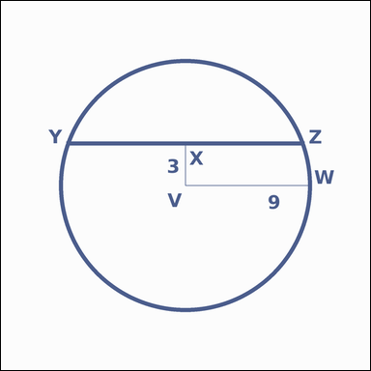 | 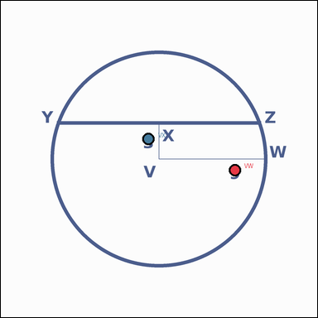 | task_geometry_analytical_2d_length | circle_chord_length | Work from the annotated scene showing a geometric scene with measurement annotations. Question: The circle shows a chord and the perpendicular distance from the center to that chord. What is the length of segment YZ? Return a valid JSON object with keys "evidence" and "answer" in that order. Evidence format: set "evidence" to a JSON object that maps each required annotation label to its shown measurement value. Required annotations: VW, VX. Answer requirement: set "answer" to the length value rounded to one decimal place. Example JSON: {"evidence":{"VW":2,"VX":3},"answer":42.3} | Work from the annotated scene showing a geometric scene with measurement annotations. Question: The circle shows a chord and the perpendicular distance from the center to that chord. What is the length of segment YZ? Return a valid JSON object with key "answer". Answer field: set "answer" to the length value rounded to one decimal place. Example JSON: {"answer":42.3} | {"evidence": {"VW": 9, "VX": 3}, "answer": 17.0} | {"VW": 9, "VX": 3} | number | measurement_ref_map | 189509132095475 | geometry/task_geometry_analytical_2d_length/images/circle_chord_length/0017.png | geometry/task_geometry_analytical_2d_length/data/circle_chord_length/0017.json
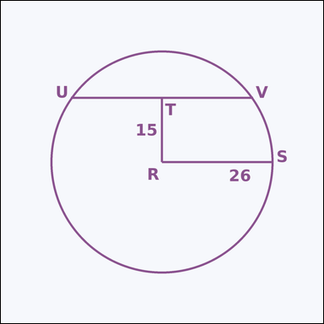 | 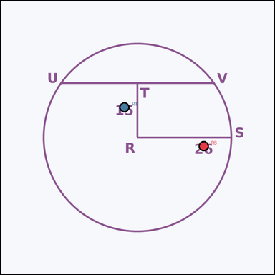 | task_geometry_analytical_2d_length | circle_chord_length | Look at the annotated image showing a geometric scene with measurement annotations. The circle shows a chord and the perpendicular distance from the center to that chord. What is the length of segment UV? Return a valid JSON object with keys "evidence" and "answer" in that order. Evidence requirement: set "evidence" to a JSON object that maps each required annotation label to its shown measurement value. Required annotations: RS, RT. Answer format: set "answer" to the length value rounded to one decimal place. Example JSON: {"evidence":{"RS":2,"RT":3},"answer":42.3} | Look at the annotated image showing a geometric scene with measurement annotations. The circle shows a chord and the perpendicular distance from the center to that chord. What is the length of segment UV? Return a valid JSON object with key "answer". Answer field: set "answer" to the length value rounded to one decimal place. Example JSON: {"answer":42.3} | {"evidence": {"RS": 26, "RT": 15}, "answer": 42.5} | {"RS": 26, "RT": 15} | number | measurement_ref_map | 342789565969679 | geometry/task_geometry_analytical_2d_length/images/circle_chord_length/0002.png | geometry/task_geometry_analytical_2d_length/data/circle_chord_length/0002.json
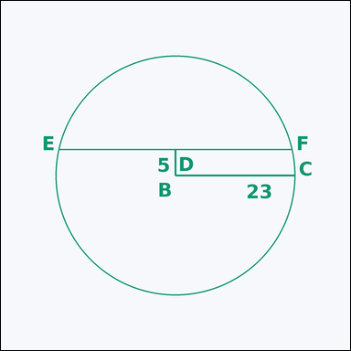 | 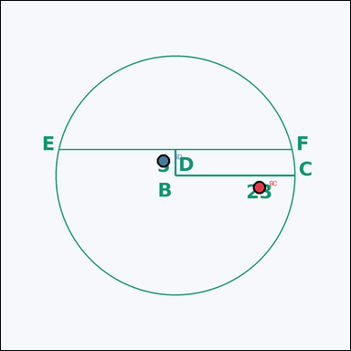 | task_geometry_analytical_2d_length | circle_chord_length | You are given an image showing a geometric scene with measurement annotations. Read the marked measurements and answer: The circle shows a chord and the perpendicular distance from the center to that chord. What is the length of segment EF? Return a valid JSON object with keys "evidence" and "answer" in that order. Evidence field: set "evidence" to a JSON object that maps each required annotation label to its shown measurement value. Required annotations: BC, BD. Answer field: set "answer" to the length value rounded to one decimal place. Example JSON: {"evidence":{"BC":2,"BD":3},"answer":42.3} | You are given an image showing a geometric scene with measurement annotations. Read the marked measurements and answer: The circle shows a chord and the perpendicular distance from the center to that chord. What is the length of segment EF? Return a valid JSON object with key "answer". Answer format: set "answer" to the length value rounded to one decimal place. Example JSON: {"answer":42.3} | {"evidence": {"BC": 23, "BD": 5}, "answer": 44.9} | {"BC": 23, "BD": 5} | number | measurement_ref_map | 998062580513003 | geometry/task_geometry_analytical_2d_length/images/circle_chord_length/0018.png | geometry/task_geometry_analytical_2d_length/data/circle_chord_length/0018.json
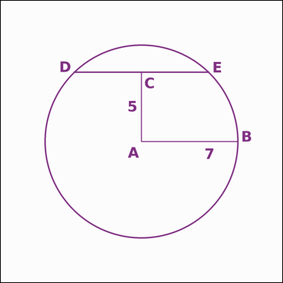 | 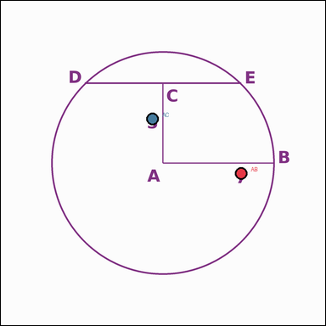 | task_geometry_analytical_2d_length | circle_chord_length | Use the image showing a geometric scene with measurement annotations. Based on the shown values, answer this question: The circle shows a chord and the perpendicular distance from the center to that chord. What is the length of segment DE? Return a valid JSON object with keys "evidence" and "answer" in that order. Evidence requirement: set "evidence" to a JSON object that maps each required annotation label to its shown measurement value. Required annotations: AB, AC. Answer format: set "answer" to the length value rounded to one decimal place. Example JSON: {"evidence":{"AB":2,"AC":3},"answer":42.3} | Use the image showing a geometric scene with measurement annotations. Based on the shown values, answer this question: The circle shows a chord and the perpendicular distance from the center to that chord. What is the length of segment DE? Return a valid JSON object with key "answer". Answer field: set "answer" to the length value rounded to one decimal place. Example JSON: {"answer":42.3} | {"evidence": {"AB": 7, "AC": 5}, "answer": 9.8} | {"AB": 7, "AC": 5} | number | measurement_ref_map | 1.1955801045E+15 | geometry/task_geometry_analytical_2d_length/images/circle_chord_length/0015.png | geometry/task_geometry_analytical_2d_length/data/circle_chord_length/0015.json
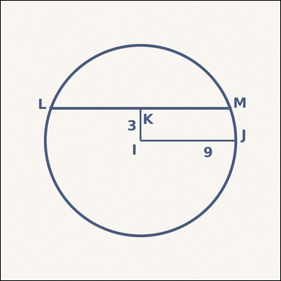 | 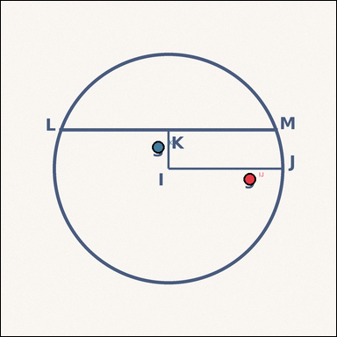 | task_geometry_analytical_2d_length | circle_chord_length | The image shows a geometric scene with measurement annotations. Task: The circle shows a chord and the perpendicular distance from the center to that chord. What is the length of segment LM? Return a valid JSON object with keys "evidence" and "answer" in that order. Evidence requirement: set "evidence" to a JSON object that maps each required annotation label to its shown measurement value. Required annotations: IJ, IK. Answer format: set "answer" to the length value rounded to one decimal place. Example JSON: {"evidence":{"IJ":2,"IK":3},"answer":42.3} | The image shows a geometric scene with measurement annotations. Task: The circle shows a chord and the perpendicular distance from the center to that chord. What is the length of segment LM? Return a valid JSON object with key "answer". Answer format: set "answer" to the length value rounded to one decimal place. Example JSON: {"answer":42.3} | {"evidence": {"IJ": 9, "IK": 3}, "answer": 17.0} | {"IJ": 9, "IK": 3} | number | measurement_ref_map | 1.3777283679E+15 | geometry/task_geometry_analytical_2d_length/images/circle_chord_length/0001.png | geometry/task_geometry_analytical_2d_length/data/circle_chord_length/0001.json
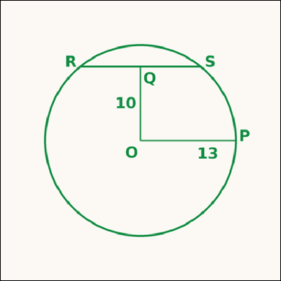 | 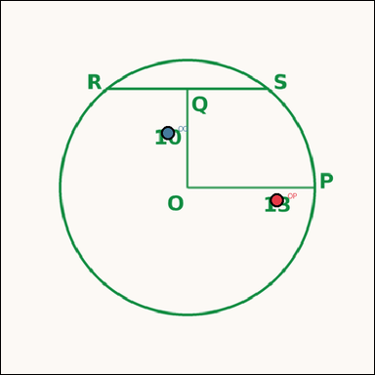 | task_geometry_analytical_2d_length | circle_chord_length | The image shows a geometric scene with measurement annotations. Read the marked measurements and answer: The circle shows a chord and the perpendicular distance from the center to that chord. What is the length of segment RS? Return a valid JSON object with keys "evidence" and "answer" in that order. Evidence rule: set "evidence" to a JSON object that maps each required annotation label to its shown measurement value. Required annotations: OP, OQ. Answer rule: set "answer" to the length value rounded to one decimal place. Example JSON: {"evidence":{"OP":2,"OQ":3},"answer":42.3} | The image shows a geometric scene with measurement annotations. Read the marked measurements and answer: The circle shows a chord and the perpendicular distance from the center to that chord. What is the length of segment RS? Return a valid JSON object with key "answer". Answer field: set "answer" to the length value rounded to one decimal place. Example JSON: {"answer":42.3} | {"evidence": {"OP": 13, "OQ": 10}, "answer": 16.6} | {"OP": 13, "OQ": 10} | number | measurement_ref_map | 1.4714411531E+15 | geometry/task_geometry_analytical_2d_length/images/circle_chord_length/0009.png | geometry/task_geometry_analytical_2d_length/data/circle_chord_length/0009.json
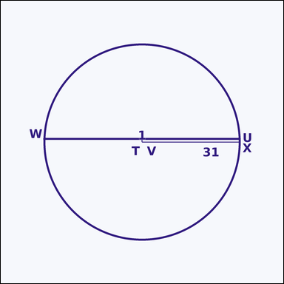 | 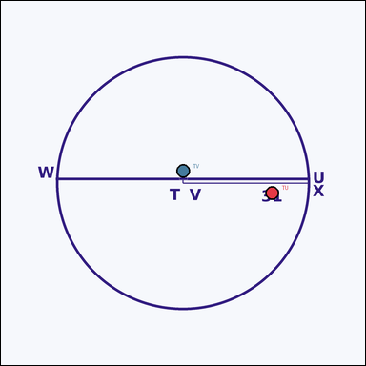 | task_geometry_analytical_2d_length | circle_chord_length | The image shows a geometric scene with measurement annotations. Task: The circle shows a chord and the perpendicular distance from the center to that chord. What is the length of segment WX? Return a valid JSON object with keys "evidence" and "answer" in that order. Evidence: set "evidence" to a JSON object that maps each required annotation label to its shown measurement value. Required annotations: TU, TV. Answer: set "answer" to the length value rounded to one decimal place. Example JSON: {"evidence":{"TU":2,"TV":3},"answer":42.3} | The image shows a geometric scene with measurement annotations. Task: The circle shows a chord and the perpendicular distance from the center to that chord. What is the length of segment WX? Return a valid JSON object with key "answer". Answer format: set "answer" to the length value rounded to one decimal place. Example JSON: {"answer":42.3} | {"evidence": {"TU": 31, "TV": 1}, "answer": 62.0} | {"TU": 31, "TV": 1} | number | measurement_ref_map | 1.5525448963E+15 | geometry/task_geometry_analytical_2d_length/images/circle_chord_length/0011.png | geometry/task_geometry_analytical_2d_length/data/circle_chord_length/0011.json
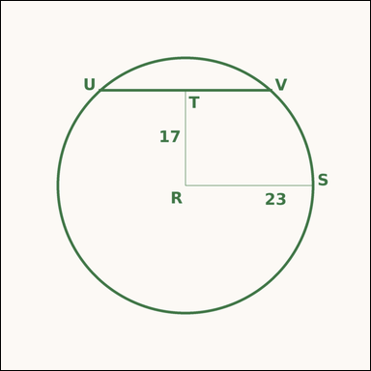 | 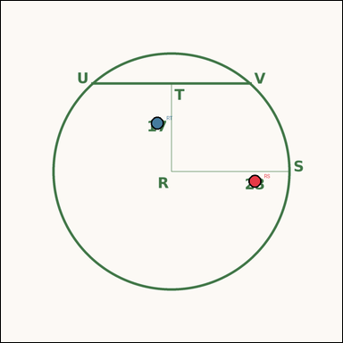 | task_geometry_analytical_2d_length | circle_chord_length | Look at the annotated image showing a geometric scene with measurement annotations. Question: The circle shows a chord and the perpendicular distance from the center to that chord. What is the length of segment UV? Return a valid JSON object with keys "evidence" and "answer" in that order. Evidence: set "evidence" to a JSON object that maps each required annotation label to its shown measurement value. Required annotations: RS, RT. Answer: set "answer" to the length value rounded to one decimal place. Example JSON: {"evidence":{"RS":2,"RT":3},"answer":42.3} | Look at the annotated image showing a geometric scene with measurement annotations. Question: The circle shows a chord and the perpendicular distance from the center to that chord. What is the length of segment UV? Return a valid JSON object with key "answer". Answer field: set "answer" to the length value rounded to one decimal place. Example JSON: {"answer":42.3} | {"evidence": {"RS": 23, "RT": 17}, "answer": 31.0} | {"RS": 23, "RT": 17} | number | measurement_ref_map | 1.8315880023E+15 | geometry/task_geometry_analytical_2d_length/images/circle_chord_length/0016.png | geometry/task_geometry_analytical_2d_length/data/circle_chord_length/0016.json
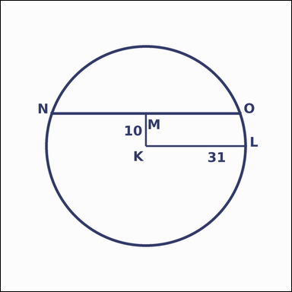 | 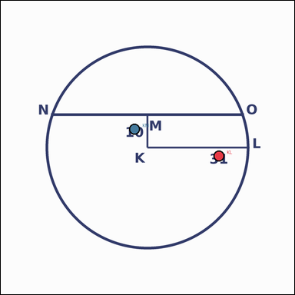 | task_geometry_analytical_2d_length | circle_chord_length | The image shows a geometric scene with measurement annotations. Read the marked measurements and answer: The circle shows a chord and the perpendicular distance from the center to that chord. What is the length of segment NO? Return a valid JSON object with keys "evidence" and "answer" in that order. Evidence rule: set "evidence" to a JSON object that maps each required annotation label to its shown measurement value. Required annotations: KL, KM. Answer rule: set "answer" to the length value rounded to one decimal place. Example JSON: {"evidence":{"KL":2,"KM":3},"answer":42.3} | The image shows a geometric scene with measurement annotations. Read the marked measurements and answer: The circle shows a chord and the perpendicular distance from the center to that chord. What is the length of segment NO? Return a valid JSON object with key "answer". Answer rule: set "answer" to the length value rounded to one decimal place. Example JSON: {"answer":42.3} | {"evidence": {"KL": 31, "KM": 10}, "answer": 58.7} | {"KL": 31, "KM": 10} | number | measurement_ref_map | 2.2883864302E+15 | geometry/task_geometry_analytical_2d_length/images/circle_chord_length/0019.png | geometry/task_geometry_analytical_2d_length/data/circle_chord_length/0019.json
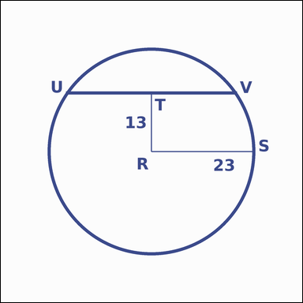 | 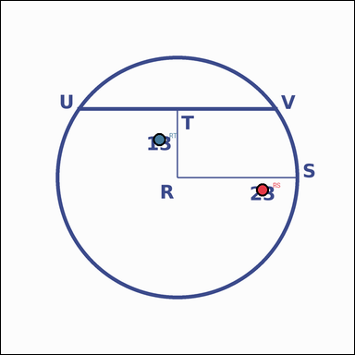 | task_geometry_analytical_2d_length | circle_chord_length | You are given an image showing a geometric scene with measurement annotations. The circle shows a chord and the perpendicular distance from the center to that chord. What is the length of segment UV? Return a valid JSON object with keys "evidence" and "answer" in that order. Evidence field: set "evidence" to a JSON object that maps each required annotation label to its shown measurement value. Required annotations: RS, RT. Answer field: set "answer" to the length value rounded to one decimal place. Example JSON: {"evidence":{"RS":2,"RT":3},"answer":42.3} | You are given an image showing a geometric scene with measurement annotations. The circle shows a chord and the perpendicular distance from the center to that chord. What is the length of segment UV? Return a valid JSON object with key "answer". Answer format: set "answer" to the length value rounded to one decimal place. Example JSON: {"answer":42.3} | {"evidence": {"RS": 23, "RT": 13}, "answer": 37.9} | {"RS": 23, "RT": 13} | number | measurement_ref_map | 4.474749707E+15 | geometry/task_geometry_analytical_2d_length/images/circle_chord_length/0021.png | geometry/task_geometry_analytical_2d_length/data/circle_chord_length/0021.json
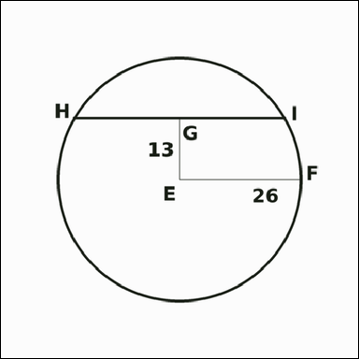 | 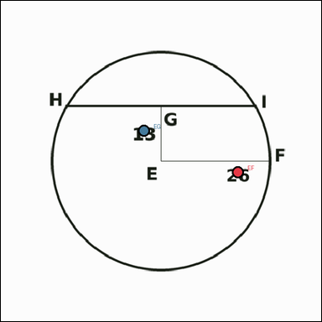 | task_geometry_analytical_2d_length | circle_chord_length | Use the image showing a geometric scene with measurement annotations. Question: The circle shows a chord and the perpendicular distance from the center to that chord. What is the length of segment HI? Return a valid JSON object with keys "evidence" and "answer" in that order. Evidence: set "evidence" to a JSON object that maps each required annotation label to its shown measurement value. Required annotations: EF, EG. Answer: set "answer" to the length value rounded to one decimal place. Example JSON: {"evidence":{"EF":2,"EG":3},"answer":42.3} | Use the image showing a geometric scene with measurement annotations. Question: The circle shows a chord and the perpendicular distance from the center to that chord. What is the length of segment HI? Return a valid JSON object with key "answer". Answer: set "answer" to the length value rounded to one decimal place. Example JSON: {"answer":42.3} | {"evidence": {"EF": 26, "EG": 13}, "answer": 45.0} | {"EF": 26, "EG": 13} | number | measurement_ref_map | 4.669266019E+15 | geometry/task_geometry_analytical_2d_length/images/circle_chord_length/0003.png | geometry/task_geometry_analytical_2d_length/data/circle_chord_length/0003.json
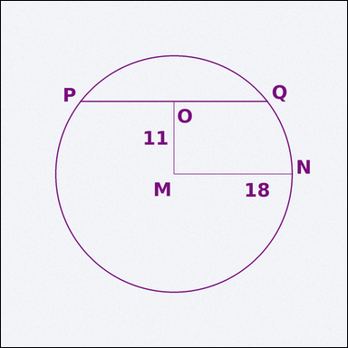 | 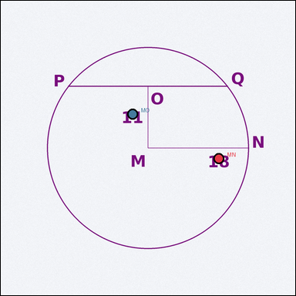 | task_geometry_analytical_2d_length | circle_chord_length | Work from the annotated scene showing a geometric scene with measurement annotations. Read the marked measurements and answer: The circle shows a chord and the perpendicular distance from the center to that chord. What is the length of segment PQ? Return a valid JSON object with keys "evidence" and "answer" in that order. Evidence: set "evidence" to a JSON object that maps each required annotation label to its shown measurement value. Required annotations: MN, MO. Answer: set "answer" to the length value rounded to one decimal place. Example JSON: {"evidence":{"MN":2,"MO":3},"answer":42.3} | Work from the annotated scene showing a geometric scene with measurement annotations. Read the marked measurements and answer: The circle shows a chord and the perpendicular distance from the center to that chord. What is the length of segment PQ? Return a valid JSON object with key "answer". Answer requirement: set "answer" to the length value rounded to one decimal place. Example JSON: {"answer":42.3} | {"evidence": {"MN": 18, "MO": 11}, "answer": 28.5} | {"MN": 18, "MO": 11} | number | measurement_ref_map | 5.5954039005E+15 | geometry/task_geometry_analytical_2d_length/images/circle_chord_length/0014.png | geometry/task_geometry_analytical_2d_length/data/circle_chord_length/0014.json
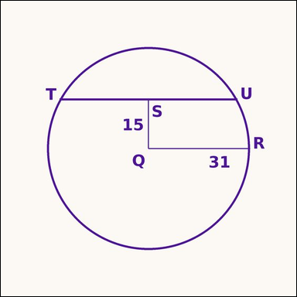 | 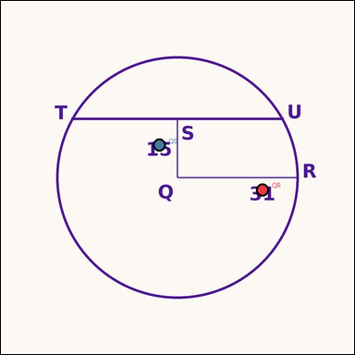 | task_geometry_analytical_2d_length | circle_chord_length | Look at the annotated image showing a geometric scene with measurement annotations. Read the marked measurements and answer: The circle shows a chord and the perpendicular distance from the center to that chord. What is the length of segment TU? Return a valid JSON object with keys "evidence" and "answer" in that order. Evidence requirement: set "evidence" to a JSON object that maps each required annotation label to its shown measurement value. Required annotations: QR, QS. Answer format: set "answer" to the length value rounded to one decimal place. Example JSON: {"evidence":{"QR":2,"QS":3},"answer":42.3} | Look at the annotated image showing a geometric scene with measurement annotations. Read the marked measurements and answer: The circle shows a chord and the perpendicular distance from the center to that chord. What is the length of segment TU? Return a valid JSON object with key "answer". Answer: set "answer" to the length value rounded to one decimal place. Example JSON: {"answer":42.3} | {"evidence": {"QR": 31, "QS": 15}, "answer": 54.3} | {"QR": 31, "QS": 15} | number | measurement_ref_map | 5.6764916982E+15 | geometry/task_geometry_analytical_2d_length/images/circle_chord_length/0012.png | geometry/task_geometry_analytical_2d_length/data/circle_chord_length/0012.json
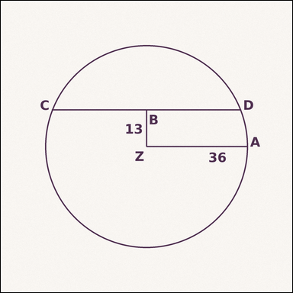 | 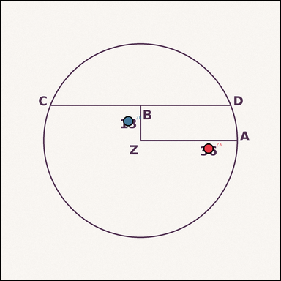 | task_geometry_analytical_2d_length | circle_chord_length | Work from the annotated scene showing a geometric scene with measurement annotations. Task: The circle shows a chord and the perpendicular distance from the center to that chord. What is the length of segment CD? Return a valid JSON object with keys "evidence" and "answer" in that order. Evidence rule: set "evidence" to a JSON object that maps each required annotation label to its shown measurement value. Required annotations: ZA, ZB. Answer rule: set "answer" to the length value rounded to one decimal place. Example JSON: {"evidence":{"ZA":2,"ZB":3},"answer":42.3} | Work from the annotated scene showing a geometric scene with measurement annotations. Task: The circle shows a chord and the perpendicular distance from the center to that chord. What is the length of segment CD? Return a valid JSON object with key "answer". Answer rule: set "answer" to the length value rounded to one decimal place. Example JSON: {"answer":42.3} | {"evidence": {"ZA": 36, "ZB": 13}, "answer": 67.1} | {"ZA": 36, "ZB": 13} | number | measurement_ref_map | 5.9275295813E+15 | geometry/task_geometry_analytical_2d_length/images/circle_chord_length/0000.png | geometry/task_geometry_analytical_2d_length/data/circle_chord_length/0000.json
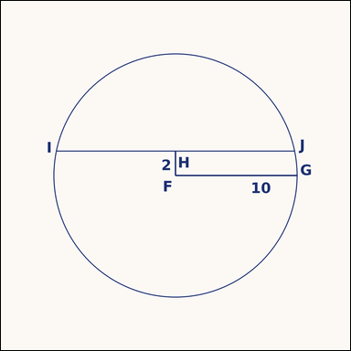 | 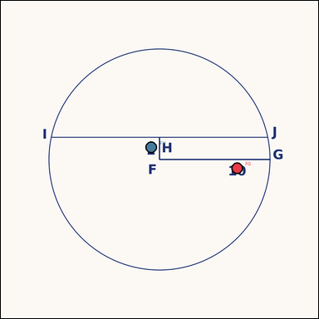 | task_geometry_analytical_2d_length | circle_chord_length | Look at the annotated image showing a geometric scene with measurement annotations. Based on the shown values, answer this question: The circle shows a chord and the perpendicular distance from the center to that chord. What is the length of segment IJ? Return a valid JSON object with keys "evidence" and "answer" in that order. Evidence requirement: set "evidence" to a JSON object that maps each required annotation label to its shown measurement value. Required annotations: FG, FH. Answer format: set "answer" to the length value rounded to one decimal place. Example JSON: {"evidence":{"FG":2,"FH":3},"answer":42.3} | Look at the annotated image showing a geometric scene with measurement annotations. Based on the shown values, answer this question: The circle shows a chord and the perpendicular distance from the center to that chord. What is the length of segment IJ? Return a valid JSON object with key "answer". Answer: set "answer" to the length value rounded to one decimal place. Example JSON: {"answer":42.3} | {"evidence": {"FG": 10, "FH": 2}, "answer": 19.6} | {"FG": 10, "FH": 2} | number | measurement_ref_map | 6.0906834825E+15 | geometry/task_geometry_analytical_2d_length/images/circle_chord_length/0004.png | geometry/task_geometry_analytical_2d_length/data/circle_chord_length/0004.json
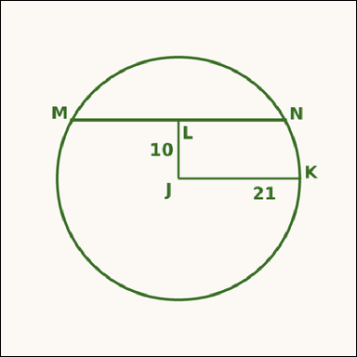 | 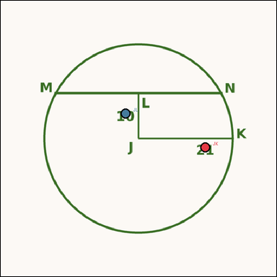 | task_geometry_analytical_2d_length | circle_chord_length | The image shows a geometric scene with measurement annotations. The circle shows a chord and the perpendicular distance from the center to that chord. What is the length of segment MN? Return a valid JSON object with keys "evidence" and "answer" in that order. Evidence rule: set "evidence" to a JSON object that maps each required annotation label to its shown measurement value. Required annotations: JK, JL. Answer rule: set "answer" to the length value rounded to one decimal place. Example JSON: {"evidence":{"JK":2,"JL":3},"answer":42.3} | The image shows a geometric scene with measurement annotations. The circle shows a chord and the perpendicular distance from the center to that chord. What is the length of segment MN? Return a valid JSON object with key "answer". Answer rule: set "answer" to the length value rounded to one decimal place. Example JSON: {"answer":42.3} | {"evidence": {"JK": 21, "JL": 10}, "answer": 36.9} | {"JK": 21, "JL": 10} | number | measurement_ref_map | 6.3173364617E+15 | geometry/task_geometry_analytical_2d_length/images/circle_chord_length/0024.png | geometry/task_geometry_analytical_2d_length/data/circle_chord_length/0024.json
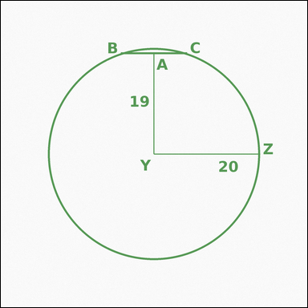 | 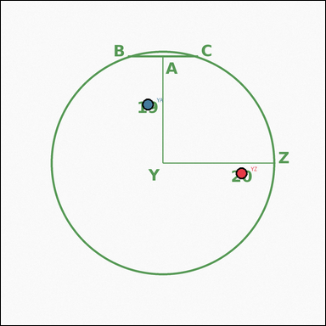 | task_geometry_analytical_2d_length | circle_chord_length | Look at the annotated image showing a geometric scene with measurement annotations. Read the marked measurements and answer: The circle shows a chord and the perpendicular distance from the center to that chord. What is the length of segment BC? Return a valid JSON object with keys "evidence" and "answer" in that order. Evidence format: set "evidence" to a JSON object that maps each required annotation label to its shown measurement value. Required annotations: YZ, YA. Answer requirement: set "answer" to the length value rounded to one decimal place. Example JSON: {"evidence":{"YZ":2,"YA":3},"answer":42.3} | Look at the annotated image showing a geometric scene with measurement annotations. Read the marked measurements and answer: The circle shows a chord and the perpendicular distance from the center to that chord. What is the length of segment BC? Return a valid JSON object with key "answer". Answer rule: set "answer" to the length value rounded to one decimal place. Example JSON: {"answer":42.3} | {"evidence": {"YZ": 20, "YA": 19}, "answer": 12.5} | {"YZ": 20, "YA": 19} | number | measurement_ref_map | 7.0543306922E+15 | geometry/task_geometry_analytical_2d_length/images/circle_chord_length/0022.png | geometry/task_geometry_analytical_2d_length/data/circle_chord_length/0022.json
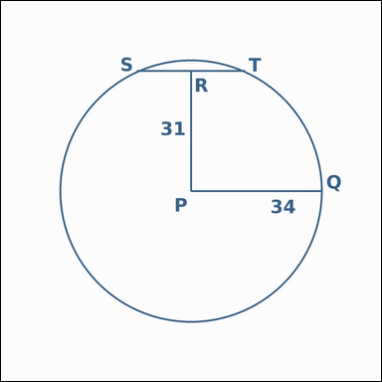 | 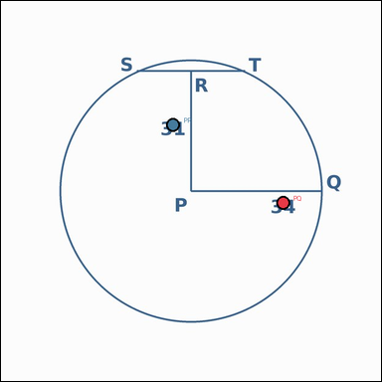 | task_geometry_analytical_2d_length | circle_chord_length | Use the image showing a geometric scene with measurement annotations. Based on the shown values, answer this question: The circle shows a chord and the perpendicular distance from the center to that chord. What is the length of segment ST? Return a valid JSON object with keys "evidence" and "answer" in that order. Evidence field: set "evidence" to a JSON object that maps each required annotation label to its shown measurement value. Required annotations: PQ, PR. Answer field: set "answer" to the length value rounded to one decimal place. Example JSON: {"evidence":{"PQ":2,"PR":3},"answer":42.3} | Use the image showing a geometric scene with measurement annotations. Based on the shown values, answer this question: The circle shows a chord and the perpendicular distance from the center to that chord. What is the length of segment ST? Return a valid JSON object with key "answer". Answer: set "answer" to the length value rounded to one decimal place. Example JSON: {"answer":42.3} | {"evidence": {"PQ": 34, "PR": 31}, "answer": 27.9} | {"PQ": 34, "PR": 31} | number | measurement_ref_map | 7.0943829594E+15 | geometry/task_geometry_analytical_2d_length/images/circle_chord_length/0010.png | geometry/task_geometry_analytical_2d_length/data/circle_chord_length/0010.json
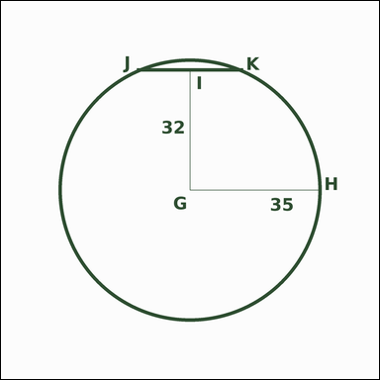 | 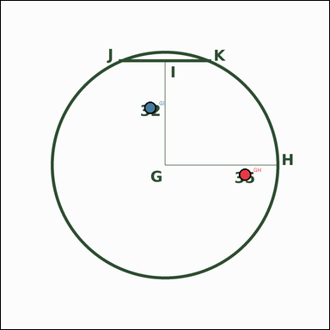 | task_geometry_analytical_2d_length | circle_chord_length | The image shows a geometric scene with measurement annotations. Based on the shown values, answer this question: The circle shows a chord and the perpendicular distance from the center to that chord. What is the length of segment JK? Return a valid JSON object with keys "evidence" and "answer" in that order. Evidence requirement: set "evidence" to a JSON object that maps each required annotation label to its shown measurement value. Required annotations: GH, GI. Answer format: set "answer" to the length value rounded to one decimal place. Example JSON: {"evidence":{"GH":2,"GI":3},"answer":42.3} | The image shows a geometric scene with measurement annotations. Based on the shown values, answer this question: The circle shows a chord and the perpendicular distance from the center to that chord. What is the length of segment JK? Return a valid JSON object with key "answer". Answer format: set "answer" to the length value rounded to one decimal place. Example JSON: {"answer":42.3} | {"evidence": {"GH": 35, "GI": 32}, "answer": 28.4} | {"GH": 35, "GI": 32} | number | measurement_ref_map | 7.3836646889E+15 | geometry/task_geometry_analytical_2d_length/images/circle_chord_length/0006.png | geometry/task_geometry_analytical_2d_length/data/circle_chord_length/0006.json
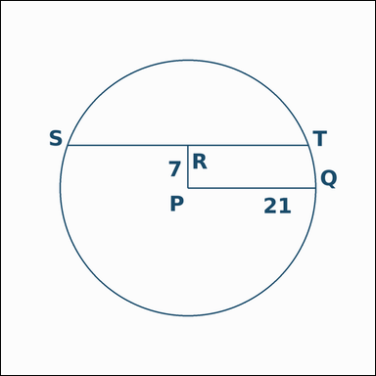 | 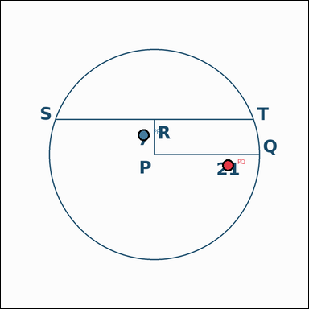 | task_geometry_analytical_2d_length | circle_chord_length | Use the image showing a geometric scene with measurement annotations. Read the marked measurements and answer: The circle shows a chord and the perpendicular distance from the center to that chord. What is the length of segment ST? Return a valid JSON object with keys "evidence" and "answer" in that order. Evidence field: set "evidence" to a JSON object that maps each required annotation label to its shown measurement value. Required annotations: PQ, PR. Answer field: set "answer" to the length value rounded to one decimal place. Example JSON: {"evidence":{"PQ":2,"PR":3},"answer":42.3} | Use the image showing a geometric scene with measurement annotations. Read the marked measurements and answer: The circle shows a chord and the perpendicular distance from the center to that chord. What is the length of segment ST? Return a valid JSON object with key "answer". Answer: set "answer" to the length value rounded to one decimal place. Example JSON: {"answer":42.3} | {"evidence": {"PQ": 21, "PR": 7}, "answer": 39.6} | {"PQ": 21, "PR": 7} | number | measurement_ref_map | 7.7584159157E+15 | geometry/task_geometry_analytical_2d_length/images/circle_chord_length/0007.png | geometry/task_geometry_analytical_2d_length/data/circle_chord_length/0007.json
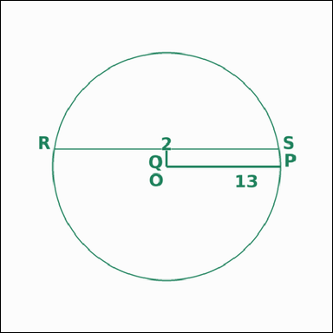 | 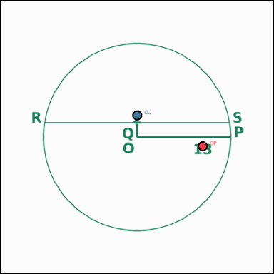 | task_geometry_analytical_2d_length | circle_chord_length | Use the image showing a geometric scene with measurement annotations. Based on the shown values, answer this question: The circle shows a chord and the perpendicular distance from the center to that chord. What is the length of segment RS? Return a valid JSON object with keys "evidence" and "answer" in that order. Evidence field: set "evidence" to a JSON object that maps each required annotation label to its shown measurement value. Required annotations: OP, OQ. Answer field: set "answer" to the length value rounded to one decimal place. Example JSON: {"evidence":{"OP":2,"OQ":3},"answer":42.3} | Use the image showing a geometric scene with measurement annotations. Based on the shown values, answer this question: The circle shows a chord and the perpendicular distance from the center to that chord. What is the length of segment RS? Return a valid JSON object with key "answer". Answer: set "answer" to the length value rounded to one decimal place. Example JSON: {"answer":42.3} | {"evidence": {"OP": 13, "OQ": 2}, "answer": 25.7} | {"OP": 13, "OQ": 2} | number | measurement_ref_map | 7.8949825817E+15 | geometry/task_geometry_analytical_2d_length/images/circle_chord_length/0013.png | geometry/task_geometry_analytical_2d_length/data/circle_chord_length/0013.json
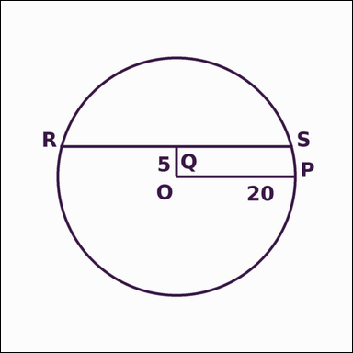 | 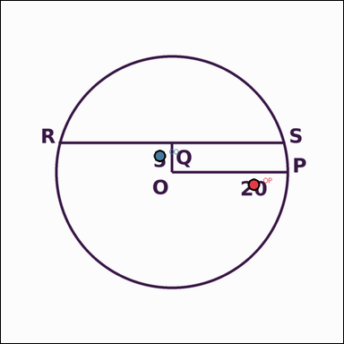 | task_geometry_analytical_2d_length | circle_chord_length | Work from the annotated scene showing a geometric scene with measurement annotations. Read the marked measurements and answer: The circle shows a chord and the perpendicular distance from the center to that chord. What is the length of segment RS? Return a valid JSON object with keys "evidence" and "answer" in that order. Evidence: set "evidence" to a JSON object that maps each required annotation label to its shown measurement value. Required annotations: OP, OQ. Answer: set "answer" to the length value rounded to one decimal place. Example JSON: {"evidence":{"OP":2,"OQ":3},"answer":42.3} | Work from the annotated scene showing a geometric scene with measurement annotations. Read the marked measurements and answer: The circle shows a chord and the perpendicular distance from the center to that chord. What is the length of segment RS? Return a valid JSON object with key "answer". Answer format: set "answer" to the length value rounded to one decimal place. Example JSON: {"answer":42.3} | {"evidence": {"OP": 20, "OQ": 5}, "answer": 38.7} | {"OP": 20, "OQ": 5} | number | measurement_ref_map | 7.9242372739E+15 | geometry/task_geometry_analytical_2d_length/images/circle_chord_length/0023.png | geometry/task_geometry_analytical_2d_length/data/circle_chord_length/0023.json
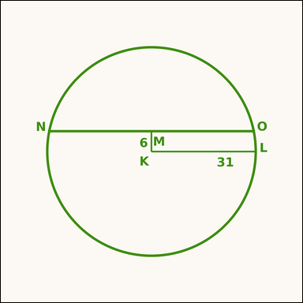 | 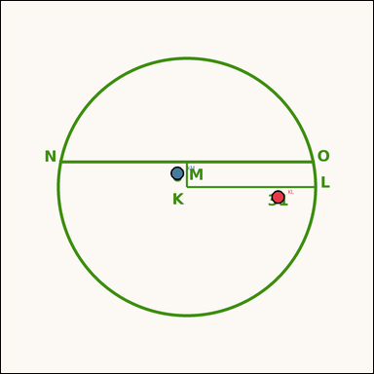 | task_geometry_analytical_2d_length | circle_chord_length | Use the image showing a geometric scene with measurement annotations. Task: The circle shows a chord and the perpendicular distance from the center to that chord. What is the length of segment NO? Return a valid JSON object with keys "evidence" and "answer" in that order. Evidence rule: set "evidence" to a JSON object that maps each required annotation label to its shown measurement value. Required annotations: KL, KM. Answer rule: set "answer" to the length value rounded to one decimal place. Example JSON: {"evidence":{"KL":2,"KM":3},"answer":42.3} | Use the image showing a geometric scene with measurement annotations. Task: The circle shows a chord and the perpendicular distance from the center to that chord. What is the length of segment NO? Return a valid JSON object with key "answer". Answer format: set "answer" to the length value rounded to one decimal place. Example JSON: {"answer":42.3} | {"evidence": {"KL": 31, "KM": 6}, "answer": 60.8} | {"KL": 31, "KM": 6} | number | measurement_ref_map | 8.1052910051E+15 | geometry/task_geometry_analytical_2d_length/images/circle_chord_length/0008.png | geometry/task_geometry_analytical_2d_length/data/circle_chord_length/0008.json
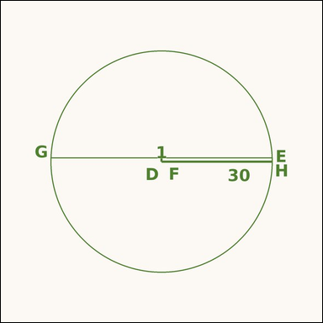 | 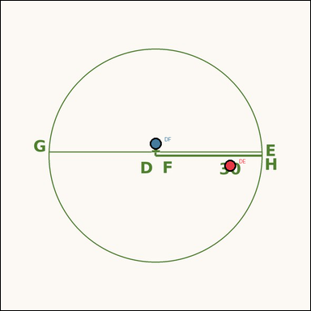 | task_geometry_analytical_2d_length | circle_chord_length | Look at the annotated image showing a geometric scene with measurement annotations. Question: The circle shows a chord and the perpendicular distance from the center to that chord. What is the length of segment GH? Return a valid JSON object with keys "evidence" and "answer" in that order. Evidence format: set "evidence" to a JSON object that maps each required annotation label to its shown measurement value. Required annotations: DE, DF. Answer requirement: set "answer" to the length value rounded to one decimal place. Example JSON: {"evidence":{"DE":2,"DF":3},"answer":42.3} | Look at the annotated image showing a geometric scene with measurement annotations. Question: The circle shows a chord and the perpendicular distance from the center to that chord. What is the length of segment GH? Return a valid JSON object with key "answer". Answer requirement: set "answer" to the length value rounded to one decimal place. Example JSON: {"answer":42.3} | {"evidence": {"DE": 30, "DF": 1}, "answer": 60.0} | {"DE": 30, "DF": 1} | number | measurement_ref_map | 8.1301027185E+15 | geometry/task_geometry_analytical_2d_length/images/circle_chord_length/0005.png | geometry/task_geometry_analytical_2d_length/data/circle_chord_length/0005.json
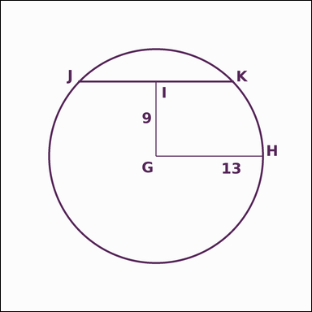 | 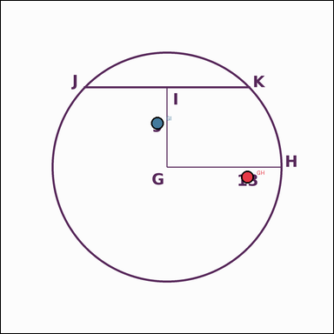 | task_geometry_analytical_2d_length | circle_chord_length | Work from the annotated scene showing a geometric scene with measurement annotations. Read the marked measurements and answer: The circle shows a chord and the perpendicular distance from the center to that chord. What is the length of segment JK? Return a valid JSON object with keys "evidence" and "answer" in that order. Evidence rule: set "evidence" to a JSON object that maps each required annotation label to its shown measurement value. Required annotations: GH, GI. Answer rule: set "answer" to the length value rounded to one decimal place. Example JSON: {"evidence":{"GH":2,"GI":3},"answer":42.3} | Work from the annotated scene showing a geometric scene with measurement annotations. Read the marked measurements and answer: The circle shows a chord and the perpendicular distance from the center to that chord. What is the length of segment JK? Return a valid JSON object with key "answer". Answer rule: set "answer" to the length value rounded to one decimal place. Example JSON: {"answer":42.3} | {"evidence": {"GH": 13, "GI": 9}, "answer": 18.8} | {"GH": 13, "GI": 9} | number | measurement_ref_map | 8.4308555521E+15 | geometry/task_geometry_analytical_2d_length/images/circle_chord_length/0020.png | geometry/task_geometry_analytical_2d_length/data/circle_chord_length/0020.json

inscribed_square_side
image | evidence_image | task | task_variant | prompt | prompt_answer_only | answer | answer_evidence | answer_type | evidence_type | instance_seed | image_path | data_path
 |  | task_geometry_analytical_2d_length | inscribed_square_side | You are given an image showing a geometric scene with measurement annotations. Task: The square is inscribed in the circle, and a diameter is annotated. What is the length of segment KL? Return a valid JSON object with keys "evidence" and "answer" in that order. Evidence: set "evidence" to a JSON object that maps each required annotation label to its shown measurement value. Required annotations: NL. Answer: set "answer" to the length value rounded to one decimal place. Example JSON: {"evidence":{"NL":2},"answer":42.3} | You are given an image showing a geometric scene with measurement annotations. Task: The square is inscribed in the circle, and a diameter is annotated. What is the length of segment KL? Return a valid JSON object with key "answer". Answer format: set "answer" to the length value rounded to one decimal place. Example JSON: {"answer":42.3} | {"evidence": {"NL": 16}, "answer": 11.3} | {"NL": 16} | number | measurement_ref_map | 48445788085300 | geometry/task_geometry_analytical_2d_length/images/inscribed_square_side/0007.png | geometry/task_geometry_analytical_2d_length/data/inscribed_square_side/0007.json
 |  | task_geometry_analytical_2d_length | inscribed_square_side | Look at the annotated image showing a geometric scene with measurement annotations. Question: The square is inscribed in the circle, and a diameter is annotated. What is the length of segment ZA? Return a valid JSON object with keys "evidence" and "answer" in that order. Evidence format: set "evidence" to a JSON object that maps each required annotation label to its shown measurement value. Required annotations: CA. Answer requirement: set "answer" to the length value rounded to one decimal place. Example JSON: {"evidence":{"CA":2},"answer":42.3} | Look at the annotated image showing a geometric scene with measurement annotations. Question: The square is inscribed in the circle, and a diameter is annotated. What is the length of segment ZA? Return a valid JSON object with key "answer". Answer requirement: set "answer" to the length value rounded to one decimal place. Example JSON: {"answer":42.3} | {"evidence": {"CA": 54}, "answer": 38.2} | {"CA": 54} | number | measurement_ref_map | 467597999942452 | geometry/task_geometry_analytical_2d_length/images/inscribed_square_side/0009.png | geometry/task_geometry_analytical_2d_length/data/inscribed_square_side/0009.json
 |  | task_geometry_analytical_2d_length | inscribed_square_side | The image shows a geometric scene with measurement annotations. The square is inscribed in the circle, and a diameter is annotated. What is the length of segment MN? Return a valid JSON object with keys "evidence" and "answer" in that order. Evidence: set "evidence" to a JSON object that maps each required annotation label to its shown measurement value. Required annotations: PN. Answer: set "answer" to the length value rounded to one decimal place. Example JSON: {"evidence":{"PN":2},"answer":42.3} | The image shows a geometric scene with measurement annotations. The square is inscribed in the circle, and a diameter is annotated. What is the length of segment MN? Return a valid JSON object with key "answer". Answer format: set "answer" to the length value rounded to one decimal place. Example JSON: {"answer":42.3} | {"evidence": {"PN": 28}, "answer": 19.8} | {"PN": 28} | number | measurement_ref_map | 906762856460674 | geometry/task_geometry_analytical_2d_length/images/inscribed_square_side/0022.png | geometry/task_geometry_analytical_2d_length/data/inscribed_square_side/0022.json
 |  | task_geometry_analytical_2d_length | inscribed_square_side | The image shows a geometric scene with measurement annotations. Task: The square is inscribed in the circle, and a diameter is annotated. What is the length of segment RS? Return a valid JSON object with keys "evidence" and "answer" in that order. Evidence format: set "evidence" to a JSON object that maps each required annotation label to its shown measurement value. Required annotations: US. Answer requirement: set "answer" to the length value rounded to one decimal place. Example JSON: {"evidence":{"US":2},"answer":42.3} | The image shows a geometric scene with measurement annotations. Task: The square is inscribed in the circle, and a diameter is annotated. What is the length of segment RS? Return a valid JSON object with key "answer". Answer: set "answer" to the length value rounded to one decimal place. Example JSON: {"answer":42.3} | {"evidence": {"US": 26}, "answer": 18.4} | {"US": 26} | number | measurement_ref_map | 983676577911250 | geometry/task_geometry_analytical_2d_length/images/inscribed_square_side/0004.png | geometry/task_geometry_analytical_2d_length/data/inscribed_square_side/0004.json
 |  | task_geometry_analytical_2d_length | inscribed_square_side | Use the image showing a geometric scene with measurement annotations. Read the marked measurements and answer: The square is inscribed in the circle, and a diameter is annotated. What is the length of segment FG? Return a valid JSON object with keys "evidence" and "answer" in that order. Evidence rule: set "evidence" to a JSON object that maps each required annotation label to its shown measurement value. Required annotations: IG. Answer rule: set "answer" to the length value rounded to one decimal place. Example JSON: {"evidence":{"IG":2},"answer":42.3} | Use the image showing a geometric scene with measurement annotations. Read the marked measurements and answer: The square is inscribed in the circle, and a diameter is annotated. What is the length of segment FG? Return a valid JSON object with key "answer". Answer: set "answer" to the length value rounded to one decimal place. Example JSON: {"answer":42.3} | {"evidence": {"IG": 14}, "answer": 9.9} | {"IG": 14} | number | measurement_ref_map | 1.0352369975E+15 | geometry/task_geometry_analytical_2d_length/images/inscribed_square_side/0014.png | geometry/task_geometry_analytical_2d_length/data/inscribed_square_side/0014.json
 |  | task_geometry_analytical_2d_length | inscribed_square_side | Work from the annotated scene showing a geometric scene with measurement annotations. Question: The square is inscribed in the circle, and a diameter is annotated. What is the length of segment WX? Return a valid JSON object with keys "evidence" and "answer" in that order. Evidence rule: set "evidence" to a JSON object that maps each required annotation label to its shown measurement value. Required annotations: ZX. Answer rule: set "answer" to the length value rounded to one decimal place. Example JSON: {"evidence":{"ZX":2},"answer":42.3} | Work from the annotated scene showing a geometric scene with measurement annotations. Question: The square is inscribed in the circle, and a diameter is annotated. What is the length of segment WX? Return a valid JSON object with key "answer". Answer field: set "answer" to the length value rounded to one decimal place. Example JSON: {"answer":42.3} | {"evidence": {"ZX": 54}, "answer": 38.2} | {"ZX": 54} | number | measurement_ref_map | 1.5823970607E+15 | geometry/task_geometry_analytical_2d_length/images/inscribed_square_side/0001.png | geometry/task_geometry_analytical_2d_length/data/inscribed_square_side/0001.json
 |  | task_geometry_analytical_2d_length | inscribed_square_side | The image shows a geometric scene with measurement annotations. Task: The square is inscribed in the circle, and a diameter is annotated. What is the length of segment KL? Return a valid JSON object with keys "evidence" and "answer" in that order. Evidence: set "evidence" to a JSON object that maps each required annotation label to its shown measurement value. Required annotations: NL. Answer: set "answer" to the length value rounded to one decimal place. Example JSON: {"evidence":{"NL":2},"answer":42.3} | The image shows a geometric scene with measurement annotations. Task: The square is inscribed in the circle, and a diameter is annotated. What is the length of segment KL? Return a valid JSON object with key "answer". Answer rule: set "answer" to the length value rounded to one decimal place. Example JSON: {"answer":42.3} | {"evidence": {"NL": 46}, "answer": 32.5} | {"NL": 46} | number | measurement_ref_map | 2.3221907532E+15 | geometry/task_geometry_analytical_2d_length/images/inscribed_square_side/0010.png | geometry/task_geometry_analytical_2d_length/data/inscribed_square_side/0010.json
 |  | task_geometry_analytical_2d_length | inscribed_square_side | You are given an image showing a geometric scene with measurement annotations. Based on the shown values, answer this question: The square is inscribed in the circle, and a diameter is annotated. What is the length of segment JK? Return a valid JSON object with keys "evidence" and "answer" in that order. Evidence rule: set "evidence" to a JSON object that maps each required annotation label to its shown measurement value. Required annotations: MK. Answer rule: set "answer" to the length value rounded to one decimal place. Example JSON: {"evidence":{"MK":2},"answer":42.3} | You are given an image showing a geometric scene with measurement annotations. Based on the shown values, answer this question: The square is inscribed in the circle, and a diameter is annotated. What is the length of segment JK? Return a valid JSON object with key "answer". Answer format: set "answer" to the length value rounded to one decimal place. Example JSON: {"answer":42.3} | {"evidence": {"MK": 72}, "answer": 50.9} | {"MK": 72} | number | measurement_ref_map | 2.3776598903E+15 | geometry/task_geometry_analytical_2d_length/images/inscribed_square_side/0020.png | geometry/task_geometry_analytical_2d_length/data/inscribed_square_side/0020.json
 |  | task_geometry_analytical_2d_length | inscribed_square_side | Work from the annotated scene showing a geometric scene with measurement annotations. Based on the shown values, answer this question: The square is inscribed in the circle, and a diameter is annotated. What is the length of segment ZA? Return a valid JSON object with keys "evidence" and "answer" in that order. Evidence: set "evidence" to a JSON object that maps each required annotation label to its shown measurement value. Required annotations: CA. Answer: set "answer" to the length value rounded to one decimal place. Example JSON: {"evidence":{"CA":2},"answer":42.3} | Work from the annotated scene showing a geometric scene with measurement annotations. Based on the shown values, answer this question: The square is inscribed in the circle, and a diameter is annotated. What is the length of segment ZA? Return a valid JSON object with key "answer". Answer: set "answer" to the length value rounded to one decimal place. Example JSON: {"answer":42.3} | {"evidence": {"CA": 50}, "answer": 35.4} | {"CA": 50} | number | measurement_ref_map | 3.4767030917E+15 | geometry/task_geometry_analytical_2d_length/images/inscribed_square_side/0000.png | geometry/task_geometry_analytical_2d_length/data/inscribed_square_side/0000.json
 |  | task_geometry_analytical_2d_length | inscribed_square_side | You are given an image showing a geometric scene with measurement annotations. Task: The square is inscribed in the circle, and a diameter is annotated. What is the length of segment UV? Return a valid JSON object with keys "evidence" and "answer" in that order. Evidence: set "evidence" to a JSON object that maps each required annotation label to its shown measurement value. Required annotations: XV. Answer: set "answer" to the length value rounded to one decimal place. Example JSON: {"evidence":{"XV":2},"answer":42.3} | You are given an image showing a geometric scene with measurement annotations. Task: The square is inscribed in the circle, and a diameter is annotated. What is the length of segment UV? Return a valid JSON object with key "answer". Answer: set "answer" to the length value rounded to one decimal place. Example JSON: {"answer":42.3} | {"evidence": {"XV": 72}, "answer": 50.9} | {"XV": 72} | number | measurement_ref_map | 3.5051676775E+15 | geometry/task_geometry_analytical_2d_length/images/inscribed_square_side/0006.png | geometry/task_geometry_analytical_2d_length/data/inscribed_square_side/0006.json
 |  | task_geometry_analytical_2d_length | inscribed_square_side | The image shows a geometric scene with measurement annotations. The square is inscribed in the circle, and a diameter is annotated. What is the length of segment FG? Return a valid JSON object with keys "evidence" and "answer" in that order. Evidence requirement: set "evidence" to a JSON object that maps each required annotation label to its shown measurement value. Required annotations: IG. Answer format: set "answer" to the length value rounded to one decimal place. Example JSON: {"evidence":{"IG":2},"answer":42.3} | The image shows a geometric scene with measurement annotations. The square is inscribed in the circle, and a diameter is annotated. What is the length of segment FG? Return a valid JSON object with key "answer". Answer format: set "answer" to the length value rounded to one decimal place. Example JSON: {"answer":42.3} | {"evidence": {"IG": 54}, "answer": 38.2} | {"IG": 54} | number | measurement_ref_map | 4.1729444489E+15 | geometry/task_geometry_analytical_2d_length/images/inscribed_square_side/0015.png | geometry/task_geometry_analytical_2d_length/data/inscribed_square_side/0015.json
 |  | task_geometry_analytical_2d_length | inscribed_square_side | The image shows a geometric scene with measurement annotations. The square is inscribed in the circle, and a diameter is annotated. What is the length of segment HI? Return a valid JSON object with keys "evidence" and "answer" in that order. Evidence rule: set "evidence" to a JSON object that maps each required annotation label to its shown measurement value. Required annotations: KI. Answer rule: set "answer" to the length value rounded to one decimal place. Example JSON: {"evidence":{"KI":2},"answer":42.3} | The image shows a geometric scene with measurement annotations. The square is inscribed in the circle, and a diameter is annotated. What is the length of segment HI? Return a valid JSON object with key "answer". Answer field: set "answer" to the length value rounded to one decimal place. Example JSON: {"answer":42.3} | {"evidence": {"KI": 56}, "answer": 39.6} | {"KI": 56} | number | measurement_ref_map | 4.1849591753E+15 | geometry/task_geometry_analytical_2d_length/images/inscribed_square_side/0005.png | geometry/task_geometry_analytical_2d_length/data/inscribed_square_side/0005.json
 |  | task_geometry_analytical_2d_length | inscribed_square_side | Look at the annotated image showing a geometric scene with measurement annotations. Task: The square is inscribed in the circle, and a diameter is annotated. What is the length of segment AB? Return a valid JSON object with keys "evidence" and "answer" in that order. Evidence format: set "evidence" to a JSON object that maps each required annotation label to its shown measurement value. Required annotations: DB. Answer requirement: set "answer" to the length value rounded to one decimal place. Example JSON: {"evidence":{"DB":2},"answer":42.3} | Look at the annotated image showing a geometric scene with measurement annotations. Task: The square is inscribed in the circle, and a diameter is annotated. What is the length of segment AB? Return a valid JSON object with key "answer". Answer: set "answer" to the length value rounded to one decimal place. Example JSON: {"answer":42.3} | {"evidence": {"DB": 64}, "answer": 45.3} | {"DB": 64} | number | measurement_ref_map | 4.3839987942E+15 | geometry/task_geometry_analytical_2d_length/images/inscribed_square_side/0012.png | geometry/task_geometry_analytical_2d_length/data/inscribed_square_side/0012.json
 |  | task_geometry_analytical_2d_length | inscribed_square_side | You are given an image showing a geometric scene with measurement annotations. Task: The square is inscribed in the circle, and a diameter is annotated. What is the length of segment OP? Return a valid JSON object with keys "evidence" and "answer" in that order. Evidence: set "evidence" to a JSON object that maps each required annotation label to its shown measurement value. Required annotations: RP. Answer: set "answer" to the length value rounded to one decimal place. Example JSON: {"evidence":{"RP":2},"answer":42.3} | You are given an image showing a geometric scene with measurement annotations. Task: The square is inscribed in the circle, and a diameter is annotated. What is the length of segment OP? Return a valid JSON object with key "answer". Answer rule: set "answer" to the length value rounded to one decimal place. Example JSON: {"answer":42.3} | {"evidence": {"RP": 58}, "answer": 41.0} | {"RP": 58} | number | measurement_ref_map | 4.7104321393E+15 | geometry/task_geometry_analytical_2d_length/images/inscribed_square_side/0023.png | geometry/task_geometry_analytical_2d_length/data/inscribed_square_side/0023.json
 |  | task_geometry_analytical_2d_length | inscribed_square_side | Use the image showing a geometric scene with measurement annotations. Based on the shown values, answer this question: The square is inscribed in the circle, and a diameter is annotated. What is the length of segment NO? Return a valid JSON object with keys "evidence" and "answer" in that order. Evidence requirement: set "evidence" to a JSON object that maps each required annotation label to its shown measurement value. Required annotations: QO. Answer format: set "answer" to the length value rounded to one decimal place. Example JSON: {"evidence":{"QO":2},"answer":42.3} | Use the image showing a geometric scene with measurement annotations. Based on the shown values, answer this question: The square is inscribed in the circle, and a diameter is annotated. What is the length of segment NO? Return a valid JSON object with key "answer". Answer rule: set "answer" to the length value rounded to one decimal place. Example JSON: {"answer":42.3} | {"evidence": {"QO": 28}, "answer": 19.8} | {"QO": 28} | number | measurement_ref_map | 5.1145672352E+15 | geometry/task_geometry_analytical_2d_length/images/inscribed_square_side/0019.png | geometry/task_geometry_analytical_2d_length/data/inscribed_square_side/0019.json
 |  | task_geometry_analytical_2d_length | inscribed_square_side | Use the image showing a geometric scene with measurement annotations. Task: The square is inscribed in the circle, and a diameter is annotated. What is the length of segment RS? Return a valid JSON object with keys "evidence" and "answer" in that order. Evidence rule: set "evidence" to a JSON object that maps each required annotation label to its shown measurement value. Required annotations: US. Answer rule: set "answer" to the length value rounded to one decimal place. Example JSON: {"evidence":{"US":2},"answer":42.3} | Use the image showing a geometric scene with measurement annotations. Task: The square is inscribed in the circle, and a diameter is annotated. What is the length of segment RS? Return a valid JSON object with key "answer". Answer rule: set "answer" to the length value rounded to one decimal place. Example JSON: {"answer":42.3} | {"evidence": {"US": 48}, "answer": 33.9} | {"US": 48} | number | measurement_ref_map | 5.3892859161E+15 | geometry/task_geometry_analytical_2d_length/images/inscribed_square_side/0013.png | geometry/task_geometry_analytical_2d_length/data/inscribed_square_side/0013.json
 |  | task_geometry_analytical_2d_length | inscribed_square_side | The image shows a geometric scene with measurement annotations. Task: The square is inscribed in the circle, and a diameter is annotated. What is the length of segment OP? Return a valid JSON object with keys "evidence" and "answer" in that order. Evidence field: set "evidence" to a JSON object that maps each required annotation label to its shown measurement value. Required annotations: RP. Answer field: set "answer" to the length value rounded to one decimal place. Example JSON: {"evidence":{"RP":2},"answer":42.3} | The image shows a geometric scene with measurement annotations. Task: The square is inscribed in the circle, and a diameter is annotated. What is the length of segment OP? Return a valid JSON object with key "answer". Answer format: set "answer" to the length value rounded to one decimal place. Example JSON: {"answer":42.3} | {"evidence": {"RP": 44}, "answer": 31.1} | {"RP": 44} | number | measurement_ref_map | 5.6272062653E+15 | geometry/task_geometry_analytical_2d_length/images/inscribed_square_side/0002.png | geometry/task_geometry_analytical_2d_length/data/inscribed_square_side/0002.json
 |  | task_geometry_analytical_2d_length | inscribed_square_side | The image shows a geometric scene with measurement annotations. Based on the shown values, answer this question: The square is inscribed in the circle, and a diameter is annotated. What is the length of segment ZA? Return a valid JSON object with keys "evidence" and "answer" in that order. Evidence requirement: set "evidence" to a JSON object that maps each required annotation label to its shown measurement value. Required annotations: CA. Answer format: set "answer" to the length value rounded to one decimal place. Example JSON: {"evidence":{"CA":2},"answer":42.3} | The image shows a geometric scene with measurement annotations. Based on the shown values, answer this question: The square is inscribed in the circle, and a diameter is annotated. What is the length of segment ZA? Return a valid JSON object with key "answer". Answer requirement: set "answer" to the length value rounded to one decimal place. Example JSON: {"answer":42.3} | {"evidence": {"CA": 44}, "answer": 31.1} | {"CA": 44} | number | measurement_ref_map | 5.8242811948E+15 | geometry/task_geometry_analytical_2d_length/images/inscribed_square_side/0024.png | geometry/task_geometry_analytical_2d_length/data/inscribed_square_side/0024.json
 |  | task_geometry_analytical_2d_length | inscribed_square_side | Look at the annotated image showing a geometric scene with measurement annotations. The square is inscribed in the circle, and a diameter is annotated. What is the length of segment PQ? Return a valid JSON object with keys "evidence" and "answer" in that order. Evidence format: set "evidence" to a JSON object that maps each required annotation label to its shown measurement value. Required annotations: SQ. Answer requirement: set "answer" to the length value rounded to one decimal place. Example JSON: {"evidence":{"SQ":2},"answer":42.3} | Look at the annotated image showing a geometric scene with measurement annotations. The square is inscribed in the circle, and a diameter is annotated. What is the length of segment PQ? Return a valid JSON object with key "answer". Answer: set "answer" to the length value rounded to one decimal place. Example JSON: {"answer":42.3} | {"evidence": {"SQ": 22}, "answer": 15.6} | {"SQ": 22} | number | measurement_ref_map | 5.9393835244E+15 | geometry/task_geometry_analytical_2d_length/images/inscribed_square_side/0011.png | geometry/task_geometry_analytical_2d_length/data/inscribed_square_side/0011.json
 |  | task_geometry_analytical_2d_length | inscribed_square_side | The image shows a geometric scene with measurement annotations. Question: The square is inscribed in the circle, and a diameter is annotated. What is the length of segment JK? Return a valid JSON object with keys "evidence" and "answer" in that order. Evidence format: set "evidence" to a JSON object that maps each required annotation label to its shown measurement value. Required annotations: MK. Answer requirement: set "answer" to the length value rounded to one decimal place. Example JSON: {"evidence":{"MK":2},"answer":42.3} | The image shows a geometric scene with measurement annotations. Question: The square is inscribed in the circle, and a diameter is annotated. What is the length of segment JK? Return a valid JSON object with key "answer". Answer: set "answer" to the length value rounded to one decimal place. Example JSON: {"answer":42.3} | {"evidence": {"MK": 64}, "answer": 45.3} | {"MK": 64} | number | measurement_ref_map | 6.294504391E+15 | geometry/task_geometry_analytical_2d_length/images/inscribed_square_side/0017.png | geometry/task_geometry_analytical_2d_length/data/inscribed_square_side/0017.json
 |  | task_geometry_analytical_2d_length | inscribed_square_side | You are given an image showing a geometric scene with measurement annotations. The square is inscribed in the circle, and a diameter is annotated. What is the length of segment NO? Return a valid JSON object with keys "evidence" and "answer" in that order. Evidence format: set "evidence" to a JSON object that maps each required annotation label to its shown measurement value. Required annotations: QO. Answer requirement: set "answer" to the length value rounded to one decimal place. Example JSON: {"evidence":{"QO":2},"answer":42.3} | You are given an image showing a geometric scene with measurement annotations. The square is inscribed in the circle, and a diameter is annotated. What is the length of segment NO? Return a valid JSON object with key "answer". Answer format: set "answer" to the length value rounded to one decimal place. Example JSON: {"answer":42.3} | {"evidence": {"QO": 18}, "answer": 12.7} | {"QO": 18} | number | measurement_ref_map | 6.3224761926E+15 | geometry/task_geometry_analytical_2d_length/images/inscribed_square_side/0003.png | geometry/task_geometry_analytical_2d_length/data/inscribed_square_side/0003.json
 |  | task_geometry_analytical_2d_length | inscribed_square_side | Work from the annotated scene showing a geometric scene with measurement annotations. The square is inscribed in the circle, and a diameter is annotated. What is the length of segment HI? Return a valid JSON object with keys "evidence" and "answer" in that order. Evidence: set "evidence" to a JSON object that maps each required annotation label to its shown measurement value. Required annotations: KI. Answer: set "answer" to the length value rounded to one decimal place. Example JSON: {"evidence":{"KI":2},"answer":42.3} | Work from the annotated scene showing a geometric scene with measurement annotations. The square is inscribed in the circle, and a diameter is annotated. What is the length of segment HI? Return a valid JSON object with key "answer". Answer rule: set "answer" to the length value rounded to one decimal place. Example JSON: {"answer":42.3} | {"evidence": {"KI": 16}, "answer": 11.3} | {"KI": 16} | number | measurement_ref_map | 6.3286516183E+15 | geometry/task_geometry_analytical_2d_length/images/inscribed_square_side/0018.png | geometry/task_geometry_analytical_2d_length/data/inscribed_square_side/0018.json
 |  | task_geometry_analytical_2d_length | inscribed_square_side | The image shows a geometric scene with measurement annotations. The square is inscribed in the circle, and a diameter is annotated. What is the length of segment RS? Return a valid JSON object with keys "evidence" and "answer" in that order. Evidence field: set "evidence" to a JSON object that maps each required annotation label to its shown measurement value. Required annotations: US. Answer field: set "answer" to the length value rounded to one decimal place. Example JSON: {"evidence":{"US":2},"answer":42.3} | The image shows a geometric scene with measurement annotations. The square is inscribed in the circle, and a diameter is annotated. What is the length of segment RS? Return a valid JSON object with key "answer". Answer rule: set "answer" to the length value rounded to one decimal place. Example JSON: {"answer":42.3} | {"evidence": {"US": 28}, "answer": 19.8} | {"US": 28} | number | measurement_ref_map | 7.8177121084E+15 | geometry/task_geometry_analytical_2d_length/images/inscribed_square_side/0008.png | geometry/task_geometry_analytical_2d_length/data/inscribed_square_side/0008.json
 |  | task_geometry_analytical_2d_length | inscribed_square_side | Work from the annotated scene showing a geometric scene with measurement annotations. The square is inscribed in the circle, and a diameter is annotated. What is the length of segment ZA? Return a valid JSON object with keys "evidence" and "answer" in that order. Evidence rule: set "evidence" to a JSON object that maps each required annotation label to its shown measurement value. Required annotations: CA. Answer rule: set "answer" to the length value rounded to one decimal place. Example JSON: {"evidence":{"CA":2},"answer":42.3} | Work from the annotated scene showing a geometric scene with measurement annotations. The square is inscribed in the circle, and a diameter is annotated. What is the length of segment ZA? Return a valid JSON object with key "answer". Answer format: set "answer" to the length value rounded to one decimal place. Example JSON: {"answer":42.3} | {"evidence": {"CA": 70}, "answer": 49.5} | {"CA": 70} | number | measurement_ref_map | 8.5258144478E+15 | geometry/task_geometry_analytical_2d_length/images/inscribed_square_side/0016.png | geometry/task_geometry_analytical_2d_length/data/inscribed_square_side/0016.json
 |  | task_geometry_analytical_2d_length | inscribed_square_side | You are given an image showing a geometric scene with measurement annotations. The square is inscribed in the circle, and a diameter is annotated. What is the length of segment IJ? Return a valid JSON object with keys "evidence" and "answer" in that order. Evidence format: set "evidence" to a JSON object that maps each required annotation label to its shown measurement value. Required annotations: LJ. Answer requirement: set "answer" to the length value rounded to one decimal place. Example JSON: {"evidence":{"LJ":2},"answer":42.3} | You are given an image showing a geometric scene with measurement annotations. The square is inscribed in the circle, and a diameter is annotated. What is the length of segment IJ? Return a valid JSON object with key "answer". Answer requirement: set "answer" to the length value rounded to one decimal place. Example JSON: {"answer":42.3} | {"evidence": {"LJ": 32}, "answer": 22.6} | {"LJ": 32} | number | measurement_ref_map | 8.5997386522E+15 | geometry/task_geometry_analytical_2d_length/images/inscribed_square_side/0021.png | geometry/task_geometry_analytical_2d_length/data/inscribed_square_side/0021.json

isosceles_trapezoid_leg
image | evidence_image | task | task_variant | prompt | prompt_answer_only | answer | answer_evidence | answer_type | evidence_type | instance_seed | image_path | data_path
 |  | task_geometry_analytical_2d_length | isosceles_trapezoid_leg | The image shows a geometric scene with measurement annotations. Question: The isosceles trapezoid shows both bases and a height. What is the length of segment BE? Return a valid JSON object with keys "evidence" and "answer" in that order. Evidence format: set "evidence" to a JSON object that maps each required annotation label to its shown measurement value. Required annotations: BC, ED, EF. Answer requirement: set "answer" to the length value rounded to one decimal place. Example JSON: {"evidence":{"BC":2,"ED":3,"EF":4},"answer":42.3} | The image shows a geometric scene with measurement annotations. Question: The isosceles trapezoid shows both bases and a height. What is the length of segment BE? Return a valid JSON object with key "answer". Answer: set "answer" to the length value rounded to one decimal place. Example JSON: {"answer":42.3} | {"evidence": {"BC": 35, "ED": 25, "EF": 30}, "answer": 30.4} | {"BC": 35, "ED": 25, "EF": 30} | number | measurement_ref_map | 318349515583101 | geometry/task_geometry_analytical_2d_length/images/isosceles_trapezoid_leg/0006.png | geometry/task_geometry_analytical_2d_length/data/isosceles_trapezoid_leg/0006.json
 |  | task_geometry_analytical_2d_length | isosceles_trapezoid_leg | You are given an image showing a geometric scene with measurement annotations. Task: The isosceles trapezoid shows both bases and a height. What is the length of segment UX? Return a valid JSON object with keys "evidence" and "answer" in that order. Evidence format: set "evidence" to a JSON object that maps each required annotation label to its shown measurement value. Required annotations: UV, XW, XY. Answer requirement: set "answer" to the length value rounded to one decimal place. Example JSON: {"evidence":{"UV":2,"XW":3,"XY":4},"answer":42.3} | You are given an image showing a geometric scene with measurement annotations. Task: The isosceles trapezoid shows both bases and a height. What is the length of segment UX? Return a valid JSON object with key "answer". Answer format: set "answer" to the length value rounded to one decimal place. Example JSON: {"answer":42.3} | {"evidence": {"UV": 44, "XW": 30, "XY": 2}, "answer": 7.3} | {"UV": 44, "XW": 30, "XY": 2} | number | measurement_ref_map | 1.0120715169E+15 | geometry/task_geometry_analytical_2d_length/images/isosceles_trapezoid_leg/0010.png | geometry/task_geometry_analytical_2d_length/data/isosceles_trapezoid_leg/0010.json
 |  | task_geometry_analytical_2d_length | isosceles_trapezoid_leg | Use the image showing a geometric scene with measurement annotations. Based on the shown values, answer this question: The isosceles trapezoid shows both bases and a height. What is the length of segment UX? Return a valid JSON object with keys "evidence" and "answer" in that order. Evidence: set "evidence" to a JSON object that maps each required annotation label to its shown measurement value. Required annotations: UV, XW, XY. Answer: set "answer" to the length value rounded to one decimal place. Example JSON: {"evidence":{"UV":2,"XW":3,"XY":4},"answer":42.3} | Use the image showing a geometric scene with measurement annotations. Based on the shown values, answer this question: The isosceles trapezoid shows both bases and a height. What is the length of segment UX? Return a valid JSON object with key "answer". Answer: set "answer" to the length value rounded to one decimal place. Example JSON: {"answer":42.3} | {"evidence": {"UV": 75, "XW": 39, "XY": 7}, "answer": 19.3} | {"UV": 75, "XW": 39, "XY": 7} | number | measurement_ref_map | 2.4309094237E+15 | geometry/task_geometry_analytical_2d_length/images/isosceles_trapezoid_leg/0017.png | geometry/task_geometry_analytical_2d_length/data/isosceles_trapezoid_leg/0017.json
 |  | task_geometry_analytical_2d_length | isosceles_trapezoid_leg | The image shows a geometric scene with measurement annotations. Based on the shown values, answer this question: The isosceles trapezoid shows both bases and a height. What is the length of segment ZC? Return a valid JSON object with keys "evidence" and "answer" in that order. Evidence: set "evidence" to a JSON object that maps each required annotation label to its shown measurement value. Required annotations: ZA, CB, CD. Answer: set "answer" to the length value rounded to one decimal place. Example JSON: {"evidence":{"ZA":2,"CB":3,"CD":4},"answer":42.3} | The image shows a geometric scene with measurement annotations. Based on the shown values, answer this question: The isosceles trapezoid shows both bases and a height. What is the length of segment ZC? Return a valid JSON object with key "answer". Answer requirement: set "answer" to the length value rounded to one decimal place. Example JSON: {"answer":42.3} | {"evidence": {"ZA": 51, "CB": 31, "CD": 6}, "answer": 11.7} | {"ZA": 51, "CB": 31, "CD": 6} | number | measurement_ref_map | 2.4824004423E+15 | geometry/task_geometry_analytical_2d_length/images/isosceles_trapezoid_leg/0019.png | geometry/task_geometry_analytical_2d_length/data/isosceles_trapezoid_leg/0019.json
 |  | task_geometry_analytical_2d_length | isosceles_trapezoid_leg | The image shows a geometric scene with measurement annotations. Read the marked measurements and answer: The isosceles trapezoid shows both bases and a height. What is the length of segment PS? Return a valid JSON object with keys "evidence" and "answer" in that order. Evidence: set "evidence" to a JSON object that maps each required annotation label to its shown measurement value. Required annotations: PQ, SR, ST. Answer: set "answer" to the length value rounded to one decimal place. Example JSON: {"evidence":{"PQ":2,"SR":3,"ST":4},"answer":42.3} | The image shows a geometric scene with measurement annotations. Read the marked measurements and answer: The isosceles trapezoid shows both bases and a height. What is the length of segment PS? Return a valid JSON object with key "answer". Answer rule: set "answer" to the length value rounded to one decimal place. Example JSON: {"answer":42.3} | {"evidence": {"PQ": 55, "SR": 21, "ST": 15}, "answer": 22.7} | {"PQ": 55, "SR": 21, "ST": 15} | number | measurement_ref_map | 2.5060344565E+15 | geometry/task_geometry_analytical_2d_length/images/isosceles_trapezoid_leg/0022.png | geometry/task_geometry_analytical_2d_length/data/isosceles_trapezoid_leg/0022.json
 |  | task_geometry_analytical_2d_length | isosceles_trapezoid_leg | Use the image showing a geometric scene with measurement annotations. The isosceles trapezoid shows both bases and a height. What is the length of segment VY? Return a valid JSON object with keys "evidence" and "answer" in that order. Evidence field: set "evidence" to a JSON object that maps each required annotation label to its shown measurement value. Required annotations: VW, YX, YZ. Answer field: set "answer" to the length value rounded to one decimal place. Example JSON: {"evidence":{"VW":2,"YX":3,"YZ":4},"answer":42.3} | Use the image showing a geometric scene with measurement annotations. The isosceles trapezoid shows both bases and a height. What is the length of segment VY? Return a valid JSON object with key "answer". Answer: set "answer" to the length value rounded to one decimal place. Example JSON: {"answer":42.3} | {"evidence": {"VW": 31, "YX": 9, "YZ": 9}, "answer": 14.2} | {"VW": 31, "YX": 9, "YZ": 9} | number | measurement_ref_map | 3.425275814E+15 | geometry/task_geometry_analytical_2d_length/images/isosceles_trapezoid_leg/0001.png | geometry/task_geometry_analytical_2d_length/data/isosceles_trapezoid_leg/0001.json
 |  | task_geometry_analytical_2d_length | isosceles_trapezoid_leg | The image shows a geometric scene with measurement annotations. Question: The isosceles trapezoid shows both bases and a height. What is the length of segment NQ? Return a valid JSON object with keys "evidence" and "answer" in that order. Evidence format: set "evidence" to a JSON object that maps each required annotation label to its shown measurement value. Required annotations: NO, QP, QR. Answer requirement: set "answer" to the length value rounded to one decimal place. Example JSON: {"evidence":{"NO":2,"QP":3,"QR":4},"answer":42.3} | The image shows a geometric scene with measurement annotations. Question: The isosceles trapezoid shows both bases and a height. What is the length of segment NQ? Return a valid JSON object with key "answer". Answer: set "answer" to the length value rounded to one decimal place. Example JSON: {"answer":42.3} | {"evidence": {"NO": 41, "QP": 35, "QR": 30}, "answer": 30.1} | {"NO": 41, "QP": 35, "QR": 30} | number | measurement_ref_map | 3.4670706375E+15 | geometry/task_geometry_analytical_2d_length/images/isosceles_trapezoid_leg/0004.png | geometry/task_geometry_analytical_2d_length/data/isosceles_trapezoid_leg/0004.json
 |  | task_geometry_analytical_2d_length | isosceles_trapezoid_leg | Use the image showing a geometric scene with measurement annotations. Read the marked measurements and answer: The isosceles trapezoid shows both bases and a height. What is the length of segment LO? Return a valid JSON object with keys "evidence" and "answer" in that order. Evidence requirement: set "evidence" to a JSON object that maps each required annotation label to its shown measurement value. Required annotations: LM, ON, OP. Answer format: set "answer" to the length value rounded to one decimal place. Example JSON: {"evidence":{"LM":2,"ON":3,"OP":4},"answer":42.3} | Use the image showing a geometric scene with measurement annotations. Read the marked measurements and answer: The isosceles trapezoid shows both bases and a height. What is the length of segment LO? Return a valid JSON object with key "answer". Answer field: set "answer" to the length value rounded to one decimal place. Example JSON: {"answer":42.3} | {"evidence": {"LM": 38, "ON": 20, "OP": 3}, "answer": 9.5} | {"LM": 38, "ON": 20, "OP": 3} | number | measurement_ref_map | 3.8578524902E+15 | geometry/task_geometry_analytical_2d_length/images/isosceles_trapezoid_leg/0023.png | geometry/task_geometry_analytical_2d_length/data/isosceles_trapezoid_leg/0023.json
 |  | task_geometry_analytical_2d_length | isosceles_trapezoid_leg | You are given an image showing a geometric scene with measurement annotations. Based on the shown values, answer this question: The isosceles trapezoid shows both bases and a height. What is the length of segment VY? Return a valid JSON object with keys "evidence" and "answer" in that order. Evidence format: set "evidence" to a JSON object that maps each required annotation label to its shown measurement value. Required annotations: VW, YX, YZ. Answer requirement: set "answer" to the length value rounded to one decimal place. Example JSON: {"evidence":{"VW":2,"YX":3,"YZ":4},"answer":42.3} | You are given an image showing a geometric scene with measurement annotations. Based on the shown values, answer this question: The isosceles trapezoid shows both bases and a height. What is the length of segment VY? Return a valid JSON object with key "answer". Answer requirement: set "answer" to the length value rounded to one decimal place. Example JSON: {"answer":42.3} | {"evidence": {"VW": 31, "YX": 5, "YZ": 9}, "answer": 15.8} | {"VW": 31, "YX": 5, "YZ": 9} | number | measurement_ref_map | 4.4593359922E+15 | geometry/task_geometry_analytical_2d_length/images/isosceles_trapezoid_leg/0002.png | geometry/task_geometry_analytical_2d_length/data/isosceles_trapezoid_leg/0002.json
 |  | task_geometry_analytical_2d_length | isosceles_trapezoid_leg | Work from the annotated scene showing a geometric scene with measurement annotations. The isosceles trapezoid shows both bases and a height. What is the length of segment WZ? Return a valid JSON object with keys "evidence" and "answer" in that order. Evidence format: set "evidence" to a JSON object that maps each required annotation label to its shown measurement value. Required annotations: WX, ZY, ZA. Answer requirement: set "answer" to the length value rounded to one decimal place. Example JSON: {"evidence":{"WX":2,"ZY":3,"ZA":4},"answer":42.3} | Work from the annotated scene showing a geometric scene with measurement annotations. The isosceles trapezoid shows both bases and a height. What is the length of segment WZ? Return a valid JSON object with key "answer". Answer format: set "answer" to the length value rounded to one decimal place. Example JSON: {"answer":42.3} | {"evidence": {"WX": 41, "ZY": 15, "ZA": 7}, "answer": 14.8} | {"WX": 41, "ZY": 15, "ZA": 7} | number | measurement_ref_map | 4.7655578756E+15 | geometry/task_geometry_analytical_2d_length/images/isosceles_trapezoid_leg/0011.png | geometry/task_geometry_analytical_2d_length/data/isosceles_trapezoid_leg/0011.json
 |  | task_geometry_analytical_2d_length | isosceles_trapezoid_leg | Use the image showing a geometric scene with measurement annotations. The isosceles trapezoid shows both bases and a height. What is the length of segment JM? Return a valid JSON object with keys "evidence" and "answer" in that order. Evidence: set "evidence" to a JSON object that maps each required annotation label to its shown measurement value. Required annotations: JK, ML, MN. Answer: set "answer" to the length value rounded to one decimal place. Example JSON: {"evidence":{"JK":2,"ML":3,"MN":4},"answer":42.3} | Use the image showing a geometric scene with measurement annotations. The isosceles trapezoid shows both bases and a height. What is the length of segment JM? Return a valid JSON object with key "answer". Answer field: set "answer" to the length value rounded to one decimal place. Example JSON: {"answer":42.3} | {"evidence": {"JK": 48, "ML": 14, "MN": 2}, "answer": 17.1} | {"JK": 48, "ML": 14, "MN": 2} | number | measurement_ref_map | 5.1459434672E+15 | geometry/task_geometry_analytical_2d_length/images/isosceles_trapezoid_leg/0008.png | geometry/task_geometry_analytical_2d_length/data/isosceles_trapezoid_leg/0008.json
 |  | task_geometry_analytical_2d_length | isosceles_trapezoid_leg | The image shows a geometric scene with measurement annotations. Task: The isosceles trapezoid shows both bases and a height. What is the length of segment RU? Return a valid JSON object with keys "evidence" and "answer" in that order. Evidence field: set "evidence" to a JSON object that maps each required annotation label to its shown measurement value. Required annotations: RS, UT, UV. Answer field: set "answer" to the length value rounded to one decimal place. Example JSON: {"evidence":{"RS":2,"UT":3,"UV":4},"answer":42.3} | The image shows a geometric scene with measurement annotations. Task: The isosceles trapezoid shows both bases and a height. What is the length of segment RU? Return a valid JSON object with key "answer". Answer requirement: set "answer" to the length value rounded to one decimal place. Example JSON: {"answer":42.3} | {"evidence": {"RS": 33, "UT": 9, "UV": 32}, "answer": 34.2} | {"RS": 33, "UT": 9, "UV": 32} | number | measurement_ref_map | 5.7351606591E+15 | geometry/task_geometry_analytical_2d_length/images/isosceles_trapezoid_leg/0015.png | geometry/task_geometry_analytical_2d_length/data/isosceles_trapezoid_leg/0015.json
 |  | task_geometry_analytical_2d_length | isosceles_trapezoid_leg | The image shows a geometric scene with measurement annotations. Question: The isosceles trapezoid shows both bases and a height. What is the length of segment SV? Return a valid JSON object with keys "evidence" and "answer" in that order. Evidence field: set "evidence" to a JSON object that maps each required annotation label to its shown measurement value. Required annotations: ST, VU, VW. Answer field: set "answer" to the length value rounded to one decimal place. Example JSON: {"evidence":{"ST":2,"VU":3,"VW":4},"answer":42.3} | The image shows a geometric scene with measurement annotations. Question: The isosceles trapezoid shows both bases and a height. What is the length of segment SV? Return a valid JSON object with key "answer". Answer format: set "answer" to the length value rounded to one decimal place. Example JSON: {"answer":42.3} | {"evidence": {"ST": 29, "VU": 25, "VW": 40}, "answer": 40.0} | {"ST": 29, "VU": 25, "VW": 40} | number | measurement_ref_map | 5.8139545927E+15 | geometry/task_geometry_analytical_2d_length/images/isosceles_trapezoid_leg/0016.png | geometry/task_geometry_analytical_2d_length/data/isosceles_trapezoid_leg/0016.json
 |  | task_geometry_analytical_2d_length | isosceles_trapezoid_leg | Use the image showing a geometric scene with measurement annotations. The isosceles trapezoid shows both bases and a height. What is the length of segment RU? Return a valid JSON object with keys "evidence" and "answer" in that order. Evidence format: set "evidence" to a JSON object that maps each required annotation label to its shown measurement value. Required annotations: RS, UT, UV. Answer requirement: set "answer" to the length value rounded to one decimal place. Example JSON: {"evidence":{"RS":2,"UT":3,"UV":4},"answer":42.3} | Use the image showing a geometric scene with measurement annotations. The isosceles trapezoid shows both bases and a height. What is the length of segment RU? Return a valid JSON object with key "answer". Answer: set "answer" to the length value rounded to one decimal place. Example JSON: {"answer":42.3} | {"evidence": {"RS": 67, "UT": 31, "UV": 11}, "answer": 21.1} | {"RS": 67, "UT": 31, "UV": 11} | number | measurement_ref_map | 5.8249556733E+15 | geometry/task_geometry_analytical_2d_length/images/isosceles_trapezoid_leg/0003.png | geometry/task_geometry_analytical_2d_length/data/isosceles_trapezoid_leg/0003.json
 |  | task_geometry_analytical_2d_length | isosceles_trapezoid_leg | Look at the annotated image showing a geometric scene with measurement annotations. Question: The isosceles trapezoid shows both bases and a height. What is the length of segment ZC? Return a valid JSON object with keys "evidence" and "answer" in that order. Evidence rule: set "evidence" to a JSON object that maps each required annotation label to its shown measurement value. Required annotations: ZA, CB, CD. Answer rule: set "answer" to the length value rounded to one decimal place. Example JSON: {"evidence":{"ZA":2,"CB":3,"CD":4},"answer":42.3} | Look at the annotated image showing a geometric scene with measurement annotations. Question: The isosceles trapezoid shows both bases and a height. What is the length of segment ZC? Return a valid JSON object with key "answer". Answer field: set "answer" to the length value rounded to one decimal place. Example JSON: {"answer":42.3} | {"evidence": {"ZA": 21, "CB": 15, "CD": 32}, "answer": 32.1} | {"ZA": 21, "CB": 15, "CD": 32} | number | measurement_ref_map | 6.0310236964E+15 | geometry/task_geometry_analytical_2d_length/images/isosceles_trapezoid_leg/0009.png | geometry/task_geometry_analytical_2d_length/data/isosceles_trapezoid_leg/0009.json
 |  | task_geometry_analytical_2d_length | isosceles_trapezoid_leg | Look at the annotated image showing a geometric scene with measurement annotations. Task: The isosceles trapezoid shows both bases and a height. What is the length of segment IL? Return a valid JSON object with keys "evidence" and "answer" in that order. Evidence field: set "evidence" to a JSON object that maps each required annotation label to its shown measurement value. Required annotations: IJ, LK, LM. Answer field: set "answer" to the length value rounded to one decimal place. Example JSON: {"evidence":{"IJ":2,"LK":3,"LM":4},"answer":42.3} | Look at the annotated image showing a geometric scene with measurement annotations. Task: The isosceles trapezoid shows both bases and a height. What is the length of segment IL? Return a valid JSON object with key "answer". Answer format: set "answer" to the length value rounded to one decimal place. Example JSON: {"answer":42.3} | {"evidence": {"IJ": 38, "LK": 32, "LM": 4}, "answer": 5.0} | {"IJ": 38, "LK": 32, "LM": 4} | number | measurement_ref_map | 6.060542875E+15 | geometry/task_geometry_analytical_2d_length/images/isosceles_trapezoid_leg/0014.png | geometry/task_geometry_analytical_2d_length/data/isosceles_trapezoid_leg/0014.json
 |  | task_geometry_analytical_2d_length | isosceles_trapezoid_leg | Work from the annotated scene showing a geometric scene with measurement annotations. The isosceles trapezoid shows both bases and a height. What is the length of segment EH? Return a valid JSON object with keys "evidence" and "answer" in that order. Evidence format: set "evidence" to a JSON object that maps each required annotation label to its shown measurement value. Required annotations: EF, HG, HI. Answer requirement: set "answer" to the length value rounded to one decimal place. Example JSON: {"evidence":{"EF":2,"HG":3,"HI":4},"answer":42.3} | Work from the annotated scene showing a geometric scene with measurement annotations. The isosceles trapezoid shows both bases and a height. What is the length of segment EH? Return a valid JSON object with key "answer". Answer: set "answer" to the length value rounded to one decimal place. Example JSON: {"answer":42.3} | {"evidence": {"EF": 36, "HG": 24, "HI": 16}, "answer": 17.1} | {"EF": 36, "HG": 24, "HI": 16} | number | measurement_ref_map | 6.1866138161E+15 | geometry/task_geometry_analytical_2d_length/images/isosceles_trapezoid_leg/0007.png | geometry/task_geometry_analytical_2d_length/data/isosceles_trapezoid_leg/0007.json
 |  | task_geometry_analytical_2d_length | isosceles_trapezoid_leg | You are given an image showing a geometric scene with measurement annotations. Question: The isosceles trapezoid shows both bases and a height. What is the length of segment GJ? Return a valid JSON object with keys "evidence" and "answer" in that order. Evidence: set "evidence" to a JSON object that maps each required annotation label to its shown measurement value. Required annotations: GH, JI, JK. Answer: set "answer" to the length value rounded to one decimal place. Example JSON: {"evidence":{"GH":2,"JI":3,"JK":4},"answer":42.3} | You are given an image showing a geometric scene with measurement annotations. Question: The isosceles trapezoid shows both bases and a height. What is the length of segment GJ? Return a valid JSON object with key "answer". Answer field: set "answer" to the length value rounded to one decimal place. Example JSON: {"answer":42.3} | {"evidence": {"GH": 35, "JI": 31, "JK": 10}, "answer": 10.2} | {"GH": 35, "JI": 31, "JK": 10} | number | measurement_ref_map | 6.6698287248E+15 | geometry/task_geometry_analytical_2d_length/images/isosceles_trapezoid_leg/0012.png | geometry/task_geometry_analytical_2d_length/data/isosceles_trapezoid_leg/0012.json
 |  | task_geometry_analytical_2d_length | isosceles_trapezoid_leg | The image shows a geometric scene with measurement annotations. Based on the shown values, answer this question: The isosceles trapezoid shows both bases and a height. What is the length of segment DG? Return a valid JSON object with keys "evidence" and "answer" in that order. Evidence field: set "evidence" to a JSON object that maps each required annotation label to its shown measurement value. Required annotations: DE, GF, GH. Answer field: set "answer" to the length value rounded to one decimal place. Example JSON: {"evidence":{"DE":2,"GF":3,"GH":4},"answer":42.3} | The image shows a geometric scene with measurement annotations. Based on the shown values, answer this question: The isosceles trapezoid shows both bases and a height. What is the length of segment DG? Return a valid JSON object with key "answer". Answer requirement: set "answer" to the length value rounded to one decimal place. Example JSON: {"answer":42.3} | {"evidence": {"DE": 23, "GF": 21, "GH": 36}, "answer": 36.0} | {"DE": 23, "GF": 21, "GH": 36} | number | measurement_ref_map | 6.8113613848E+15 | geometry/task_geometry_analytical_2d_length/images/isosceles_trapezoid_leg/0005.png | geometry/task_geometry_analytical_2d_length/data/isosceles_trapezoid_leg/0005.json
 |  | task_geometry_analytical_2d_length | isosceles_trapezoid_leg | The image shows a geometric scene with measurement annotations. Task: The isosceles trapezoid shows both bases and a height. What is the length of segment YB? Return a valid JSON object with keys "evidence" and "answer" in that order. Evidence: set "evidence" to a JSON object that maps each required annotation label to its shown measurement value. Required annotations: YZ, BA, BC. Answer: set "answer" to the length value rounded to one decimal place. Example JSON: {"evidence":{"YZ":2,"BA":3,"BC":4},"answer":42.3} | The image shows a geometric scene with measurement annotations. Task: The isosceles trapezoid shows both bases and a height. What is the length of segment YB? Return a valid JSON object with key "answer". Answer: set "answer" to the length value rounded to one decimal place. Example JSON: {"answer":42.3} | {"evidence": {"YZ": 42, "BA": 6, "BC": 24}, "answer": 30.0} | {"YZ": 42, "BA": 6, "BC": 24} | number | measurement_ref_map | 7.0904962247E+15 | geometry/task_geometry_analytical_2d_length/images/isosceles_trapezoid_leg/0020.png | geometry/task_geometry_analytical_2d_length/data/isosceles_trapezoid_leg/0020.json
 |  | task_geometry_analytical_2d_length | isosceles_trapezoid_leg | Use the image showing a geometric scene with measurement annotations. Task: The isosceles trapezoid shows both bases and a height. What is the length of segment QT? Return a valid JSON object with keys "evidence" and "answer" in that order. Evidence requirement: set "evidence" to a JSON object that maps each required annotation label to its shown measurement value. Required annotations: QR, TS, TU. Answer format: set "answer" to the length value rounded to one decimal place. Example JSON: {"evidence":{"QR":2,"TS":3,"TU":4},"answer":42.3} | Use the image showing a geometric scene with measurement annotations. Task: The isosceles trapezoid shows both bases and a height. What is the length of segment QT? Return a valid JSON object with key "answer". Answer rule: set "answer" to the length value rounded to one decimal place. Example JSON: {"answer":42.3} | {"evidence": {"QR": 32, "TS": 24, "TU": 3}, "answer": 5.0} | {"QR": 32, "TS": 24, "TU": 3} | number | measurement_ref_map | 7.787701468E+15 | geometry/task_geometry_analytical_2d_length/images/isosceles_trapezoid_leg/0024.png | geometry/task_geometry_analytical_2d_length/data/isosceles_trapezoid_leg/0024.json
 |  | task_geometry_analytical_2d_length | isosceles_trapezoid_leg | Work from the annotated scene showing a geometric scene with measurement annotations. Question: The isosceles trapezoid shows both bases and a height. What is the length of segment DG? Return a valid JSON object with keys "evidence" and "answer" in that order. Evidence requirement: set "evidence" to a JSON object that maps each required annotation label to its shown measurement value. Required annotations: DE, GF, GH. Answer format: set "answer" to the length value rounded to one decimal place. Example JSON: {"evidence":{"DE":2,"GF":3,"GH":4},"answer":42.3} | Work from the annotated scene showing a geometric scene with measurement annotations. Question: The isosceles trapezoid shows both bases and a height. What is the length of segment DG? Return a valid JSON object with key "answer". Answer format: set "answer" to the length value rounded to one decimal place. Example JSON: {"answer":42.3} | {"evidence": {"DE": 31, "GF": 15, "GH": 37}, "answer": 37.9} | {"DE": 31, "GF": 15, "GH": 37} | number | measurement_ref_map | 8.3270416083E+15 | geometry/task_geometry_analytical_2d_length/images/isosceles_trapezoid_leg/0021.png | geometry/task_geometry_analytical_2d_length/data/isosceles_trapezoid_leg/0021.json
 |  | task_geometry_analytical_2d_length | isosceles_trapezoid_leg | Use the image showing a geometric scene with measurement annotations. The isosceles trapezoid shows both bases and a height. What is the length of segment ZC? Return a valid JSON object with keys "evidence" and "answer" in that order. Evidence requirement: set "evidence" to a JSON object that maps each required annotation label to its shown measurement value. Required annotations: ZA, CB, CD. Answer format: set "answer" to the length value rounded to one decimal place. Example JSON: {"evidence":{"ZA":2,"CB":3,"CD":4},"answer":42.3} | Use the image showing a geometric scene with measurement annotations. The isosceles trapezoid shows both bases and a height. What is the length of segment ZC? Return a valid JSON object with key "answer". Answer field: set "answer" to the length value rounded to one decimal place. Example JSON: {"answer":42.3} | {"evidence": {"ZA": 60, "CB": 24, "CD": 34}, "answer": 38.5} | {"ZA": 60, "CB": 24, "CD": 34} | number | measurement_ref_map | 8.5963612478E+15 | geometry/task_geometry_analytical_2d_length/images/isosceles_trapezoid_leg/0018.png | geometry/task_geometry_analytical_2d_length/data/isosceles_trapezoid_leg/0018.json
 |  | task_geometry_analytical_2d_length | isosceles_trapezoid_leg | Use the image showing a geometric scene with measurement annotations. The isosceles trapezoid shows both bases and a height. What is the length of segment AD? Return a valid JSON object with keys "evidence" and "answer" in that order. Evidence rule: set "evidence" to a JSON object that maps each required annotation label to its shown measurement value. Required annotations: AB, DC, DE. Answer rule: set "answer" to the length value rounded to one decimal place. Example JSON: {"evidence":{"AB":2,"DC":3,"DE":4},"answer":42.3} | Use the image showing a geometric scene with measurement annotations. The isosceles trapezoid shows both bases and a height. What is the length of segment AD? Return a valid JSON object with key "answer". Answer requirement: set "answer" to the length value rounded to one decimal place. Example JSON: {"answer":42.3} | {"evidence": {"AB": 22, "DC": 12, "DE": 33}, "answer": 33.4} | {"AB": 22, "DC": 12, "DE": 33} | number | measurement_ref_map | 8.7461196264E+15 | geometry/task_geometry_analytical_2d_length/images/isosceles_trapezoid_leg/0000.png | geometry/task_geometry_analytical_2d_length/data/isosceles_trapezoid_leg/0000.json
 |  | task_geometry_analytical_2d_length | isosceles_trapezoid_leg | Work from the annotated scene showing a geometric scene with measurement annotations. Task: The isosceles trapezoid shows both bases and a height. What is the length of segment GJ? Return a valid JSON object with keys "evidence" and "answer" in that order. Evidence field: set "evidence" to a JSON object that maps each required annotation label to its shown measurement value. Required annotations: GH, JI, JK. Answer field: set "answer" to the length value rounded to one decimal place. Example JSON: {"evidence":{"GH":2,"JI":3,"JK":4},"answer":42.3} | Work from the annotated scene showing a geometric scene with measurement annotations. Task: The isosceles trapezoid shows both bases and a height. What is the length of segment GJ? Return a valid JSON object with key "answer". Answer: set "answer" to the length value rounded to one decimal place. Example JSON: {"answer":42.3} | {"evidence": {"GH": 18, "JI": 10, "JK": 40}, "answer": 40.2} | {"GH": 18, "JI": 10, "JK": 40} | number | measurement_ref_map | 8.9720556201E+15 | geometry/task_geometry_analytical_2d_length/images/isosceles_trapezoid_leg/0013.png | geometry/task_geometry_analytical_2d_length/data/isosceles_trapezoid_leg/0013.json

rectangle_diagonal_side
image | evidence_image | task | task_variant | prompt | prompt_answer_only | answer | answer_evidence | answer_type | evidence_type | instance_seed | image_path | data_path
 |  | task_geometry_analytical_2d_length | rectangle_diagonal_side | Work from the annotated scene showing a geometric scene with measurement annotations. Task: The rectangle shows one side and its diagonal. What is the length of segment DE? Return a valid JSON object with keys "evidence" and "answer" in that order. Evidence rule: set "evidence" to a JSON object that maps each required annotation label to its shown measurement value. Required annotations: EF, DF. Answer rule: set "answer" to the length value rounded to one decimal place. Example JSON: {"evidence":{"EF":2,"DF":3},"answer":42.3} | Work from the annotated scene showing a geometric scene with measurement annotations. Task: The rectangle shows one side and its diagonal. What is the length of segment DE? Return a valid JSON object with key "answer". Answer format: set "answer" to the length value rounded to one decimal place. Example JSON: {"answer":42.3} | {"evidence": {"EF": 27, "DF": 28}, "answer": 7.4} | {"EF": 27, "DF": 28} | number | measurement_ref_map | 318716266368625 | geometry/task_geometry_analytical_2d_length/images/rectangle_diagonal_side/0003.png | geometry/task_geometry_analytical_2d_length/data/rectangle_diagonal_side/0003.json
 |  | task_geometry_analytical_2d_length | rectangle_diagonal_side | You are given an image showing a geometric scene with measurement annotations. Task: The rectangle shows one side and its diagonal. What is the length of segment RS? Return a valid JSON object with keys "evidence" and "answer" in that order. Evidence rule: set "evidence" to a JSON object that maps each required annotation label to its shown measurement value. Required annotations: ST, RT. Answer rule: set "answer" to the length value rounded to one decimal place. Example JSON: {"evidence":{"ST":2,"RT":3},"answer":42.3} | You are given an image showing a geometric scene with measurement annotations. Task: The rectangle shows one side and its diagonal. What is the length of segment RS? Return a valid JSON object with key "answer". Answer: set "answer" to the length value rounded to one decimal place. Example JSON: {"answer":42.3} | {"evidence": {"ST": 39, "RT": 47}, "answer": 26.2} | {"ST": 39, "RT": 47} | number | measurement_ref_map | 395400462466219 | geometry/task_geometry_analytical_2d_length/images/rectangle_diagonal_side/0004.png | geometry/task_geometry_analytical_2d_length/data/rectangle_diagonal_side/0004.json
 |  | task_geometry_analytical_2d_length | rectangle_diagonal_side | Look at the annotated image showing a geometric scene with measurement annotations. Based on the shown values, answer this question: The rectangle shows one side and its diagonal. What is the length of segment ST? Return a valid JSON object with keys "evidence" and "answer" in that order. Evidence format: set "evidence" to a JSON object that maps each required annotation label to its shown measurement value. Required annotations: TU, SU. Answer requirement: set "answer" to the length value rounded to one decimal place. Example JSON: {"evidence":{"TU":2,"SU":3},"answer":42.3} | Look at the annotated image showing a geometric scene with measurement annotations. Based on the shown values, answer this question: The rectangle shows one side and its diagonal. What is the length of segment ST? Return a valid JSON object with key "answer". Answer: set "answer" to the length value rounded to one decimal place. Example JSON: {"answer":42.3} | {"evidence": {"TU": 28, "SU": 42}, "answer": 31.3} | {"TU": 28, "SU": 42} | number | measurement_ref_map | 1.0403494303E+15 | geometry/task_geometry_analytical_2d_length/images/rectangle_diagonal_side/0014.png | geometry/task_geometry_analytical_2d_length/data/rectangle_diagonal_side/0014.json
 |  | task_geometry_analytical_2d_length | rectangle_diagonal_side | Work from the annotated scene showing a geometric scene with measurement annotations. Read the marked measurements and answer: The rectangle shows one side and its diagonal. What is the length of segment UV? Return a valid JSON object with keys "evidence" and "answer" in that order. Evidence field: set "evidence" to a JSON object that maps each required annotation label to its shown measurement value. Required annotations: VW, UW. Answer field: set "answer" to the length value rounded to one decimal place. Example JSON: {"evidence":{"VW":2,"UW":3},"answer":42.3} | Work from the annotated scene showing a geometric scene with measurement annotations. Read the marked measurements and answer: The rectangle shows one side and its diagonal. What is the length of segment UV? Return a valid JSON object with key "answer". Answer field: set "answer" to the length value rounded to one decimal place. Example JSON: {"answer":42.3} | {"evidence": {"VW": 34, "UW": 55}, "answer": 43.2} | {"VW": 34, "UW": 55} | number | measurement_ref_map | 1.3311232901E+15 | geometry/task_geometry_analytical_2d_length/images/rectangle_diagonal_side/0019.png | geometry/task_geometry_analytical_2d_length/data/rectangle_diagonal_side/0019.json
 |  | task_geometry_analytical_2d_length | rectangle_diagonal_side | The image shows a geometric scene with measurement annotations. Based on the shown values, answer this question: The rectangle shows one side and its diagonal. What is the length of segment HI? Return a valid JSON object with keys "evidence" and "answer" in that order. Evidence rule: set "evidence" to a JSON object that maps each required annotation label to its shown measurement value. Required annotations: IJ, HJ. Answer rule: set "answer" to the length value rounded to one decimal place. Example JSON: {"evidence":{"IJ":2,"HJ":3},"answer":42.3} | The image shows a geometric scene with measurement annotations. Based on the shown values, answer this question: The rectangle shows one side and its diagonal. What is the length of segment HI? Return a valid JSON object with key "answer". Answer format: set "answer" to the length value rounded to one decimal place. Example JSON: {"answer":42.3} | {"evidence": {"IJ": 7, "HJ": 16}, "answer": 14.4} | {"IJ": 7, "HJ": 16} | number | measurement_ref_map | 1.4121174663E+15 | geometry/task_geometry_analytical_2d_length/images/rectangle_diagonal_side/0018.png | geometry/task_geometry_analytical_2d_length/data/rectangle_diagonal_side/0018.json
 |  | task_geometry_analytical_2d_length | rectangle_diagonal_side | You are given an image showing a geometric scene with measurement annotations. Based on the shown values, answer this question: The rectangle shows one side and its diagonal. What is the length of segment CD? Return a valid JSON object with keys "evidence" and "answer" in that order. Evidence format: set "evidence" to a JSON object that maps each required annotation label to its shown measurement value. Required annotations: DE, CE. Answer requirement: set "answer" to the length value rounded to one decimal place. Example JSON: {"evidence":{"DE":2,"CE":3},"answer":42.3} | You are given an image showing a geometric scene with measurement annotations. Based on the shown values, answer this question: The rectangle shows one side and its diagonal. What is the length of segment CD? Return a valid JSON object with key "answer". Answer requirement: set "answer" to the length value rounded to one decimal place. Example JSON: {"answer":42.3} | {"evidence": {"DE": 24, "CE": 42}, "answer": 34.5} | {"DE": 24, "CE": 42} | number | measurement_ref_map | 1.8476671513E+15 | geometry/task_geometry_analytical_2d_length/images/rectangle_diagonal_side/0024.png | geometry/task_geometry_analytical_2d_length/data/rectangle_diagonal_side/0024.json
 |  | task_geometry_analytical_2d_length | rectangle_diagonal_side | You are given an image showing a geometric scene with measurement annotations. Based on the shown values, answer this question: The rectangle shows one side and its diagonal. What is the length of segment IJ? Return a valid JSON object with keys "evidence" and "answer" in that order. Evidence field: set "evidence" to a JSON object that maps each required annotation label to its shown measurement value. Required annotations: JK, IK. Answer field: set "answer" to the length value rounded to one decimal place. Example JSON: {"evidence":{"JK":2,"IK":3},"answer":42.3} | You are given an image showing a geometric scene with measurement annotations. Based on the shown values, answer this question: The rectangle shows one side and its diagonal. What is the length of segment IJ? Return a valid JSON object with key "answer". Answer requirement: set "answer" to the length value rounded to one decimal place. Example JSON: {"answer":42.3} | {"evidence": {"JK": 29, "IK": 47}, "answer": 37.0} | {"JK": 29, "IK": 47} | number | measurement_ref_map | 2.5494762639E+15 | geometry/task_geometry_analytical_2d_length/images/rectangle_diagonal_side/0010.png | geometry/task_geometry_analytical_2d_length/data/rectangle_diagonal_side/0010.json
 |  | task_geometry_analytical_2d_length | rectangle_diagonal_side | Work from the annotated scene showing a geometric scene with measurement annotations. Based on the shown values, answer this question: The rectangle shows one side and its diagonal. What is the length of segment VW? Return a valid JSON object with keys "evidence" and "answer" in that order. Evidence requirement: set "evidence" to a JSON object that maps each required annotation label to its shown measurement value. Required annotations: WX, VX. Answer format: set "answer" to the length value rounded to one decimal place. Example JSON: {"evidence":{"WX":2,"VX":3},"answer":42.3} | Work from the annotated scene showing a geometric scene with measurement annotations. Based on the shown values, answer this question: The rectangle shows one side and its diagonal. What is the length of segment VW? Return a valid JSON object with key "answer". Answer field: set "answer" to the length value rounded to one decimal place. Example JSON: {"answer":42.3} | {"evidence": {"WX": 33, "VX": 45}, "answer": 30.6} | {"WX": 33, "VX": 45} | number | measurement_ref_map | 2.915951698E+15 | geometry/task_geometry_analytical_2d_length/images/rectangle_diagonal_side/0023.png | geometry/task_geometry_analytical_2d_length/data/rectangle_diagonal_side/0023.json
 |  | task_geometry_analytical_2d_length | rectangle_diagonal_side | The image shows a geometric scene with measurement annotations. The rectangle shows one side and its diagonal. What is the length of segment QR? Return a valid JSON object with keys "evidence" and "answer" in that order. Evidence format: set "evidence" to a JSON object that maps each required annotation label to its shown measurement value. Required annotations: RS, QS. Answer requirement: set "answer" to the length value rounded to one decimal place. Example JSON: {"evidence":{"RS":2,"QS":3},"answer":42.3} | The image shows a geometric scene with measurement annotations. The rectangle shows one side and its diagonal. What is the length of segment QR? Return a valid JSON object with key "answer". Answer format: set "answer" to the length value rounded to one decimal place. Example JSON: {"answer":42.3} | {"evidence": {"RS": 8, "QS": 53}, "answer": 52.4} | {"RS": 8, "QS": 53} | number | measurement_ref_map | 3.735058896E+15 | geometry/task_geometry_analytical_2d_length/images/rectangle_diagonal_side/0022.png | geometry/task_geometry_analytical_2d_length/data/rectangle_diagonal_side/0022.json
 |  | task_geometry_analytical_2d_length | rectangle_diagonal_side | Look at the annotated image showing a geometric scene with measurement annotations. Based on the shown values, answer this question: The rectangle shows one side and its diagonal. What is the length of segment PQ? Return a valid JSON object with keys "evidence" and "answer" in that order. Evidence format: set "evidence" to a JSON object that maps each required annotation label to its shown measurement value. Required annotations: QR, PR. Answer requirement: set "answer" to the length value rounded to one decimal place. Example JSON: {"evidence":{"QR":2,"PR":3},"answer":42.3} | Look at the annotated image showing a geometric scene with measurement annotations. Based on the shown values, answer this question: The rectangle shows one side and its diagonal. What is the length of segment PQ? Return a valid JSON object with key "answer". Answer: set "answer" to the length value rounded to one decimal place. Example JSON: {"answer":42.3} | {"evidence": {"QR": 6, "PR": 60}, "answer": 59.7} | {"QR": 6, "PR": 60} | number | measurement_ref_map | 4.3462980409E+15 | geometry/task_geometry_analytical_2d_length/images/rectangle_diagonal_side/0005.png | geometry/task_geometry_analytical_2d_length/data/rectangle_diagonal_side/0005.json
 |  | task_geometry_analytical_2d_length | rectangle_diagonal_side | Use the image showing a geometric scene with measurement annotations. Task: The rectangle shows one side and its diagonal. What is the length of segment VW? Return a valid JSON object with keys "evidence" and "answer" in that order. Evidence format: set "evidence" to a JSON object that maps each required annotation label to its shown measurement value. Required annotations: WX, VX. Answer requirement: set "answer" to the length value rounded to one decimal place. Example JSON: {"evidence":{"WX":2,"VX":3},"answer":42.3} | Use the image showing a geometric scene with measurement annotations. Task: The rectangle shows one side and its diagonal. What is the length of segment VW? Return a valid JSON object with key "answer". Answer field: set "answer" to the length value rounded to one decimal place. Example JSON: {"answer":42.3} | {"evidence": {"WX": 37, "VX": 60}, "answer": 47.2} | {"WX": 37, "VX": 60} | number | measurement_ref_map | 4.3793980937E+15 | geometry/task_geometry_analytical_2d_length/images/rectangle_diagonal_side/0015.png | geometry/task_geometry_analytical_2d_length/data/rectangle_diagonal_side/0015.json
 |  | task_geometry_analytical_2d_length | rectangle_diagonal_side | Use the image showing a geometric scene with measurement annotations. Task: The rectangle shows one side and its diagonal. What is the length of segment NO? Return a valid JSON object with keys "evidence" and "answer" in that order. Evidence requirement: set "evidence" to a JSON object that maps each required annotation label to its shown measurement value. Required annotations: OP, NP. Answer format: set "answer" to the length value rounded to one decimal place. Example JSON: {"evidence":{"OP":2,"NP":3},"answer":42.3} | Use the image showing a geometric scene with measurement annotations. Task: The rectangle shows one side and its diagonal. What is the length of segment NO? Return a valid JSON object with key "answer". Answer requirement: set "answer" to the length value rounded to one decimal place. Example JSON: {"answer":42.3} | {"evidence": {"OP": 25, "NP": 45}, "answer": 37.4} | {"OP": 25, "NP": 45} | number | measurement_ref_map | 5.277771834E+15 | geometry/task_geometry_analytical_2d_length/images/rectangle_diagonal_side/0002.png | geometry/task_geometry_analytical_2d_length/data/rectangle_diagonal_side/0002.json
 |  | task_geometry_analytical_2d_length | rectangle_diagonal_side | The image shows a geometric scene with measurement annotations. Question: The rectangle shows one side and its diagonal. What is the length of segment NO? Return a valid JSON object with keys "evidence" and "answer" in that order. Evidence format: set "evidence" to a JSON object that maps each required annotation label to its shown measurement value. Required annotations: OP, NP. Answer requirement: set "answer" to the length value rounded to one decimal place. Example JSON: {"evidence":{"OP":2,"NP":3},"answer":42.3} | The image shows a geometric scene with measurement annotations. Question: The rectangle shows one side and its diagonal. What is the length of segment NO? Return a valid JSON object with key "answer". Answer rule: set "answer" to the length value rounded to one decimal place. Example JSON: {"answer":42.3} | {"evidence": {"OP": 22, "NP": 30}, "answer": 20.4} | {"OP": 22, "NP": 30} | number | measurement_ref_map | 5.2819426728E+15 | geometry/task_geometry_analytical_2d_length/images/rectangle_diagonal_side/0013.png | geometry/task_geometry_analytical_2d_length/data/rectangle_diagonal_side/0013.json
 |  | task_geometry_analytical_2d_length | rectangle_diagonal_side | The image shows a geometric scene with measurement annotations. The rectangle shows one side and its diagonal. What is the length of segment YZ? Return a valid JSON object with keys "evidence" and "answer" in that order. Evidence format: set "evidence" to a JSON object that maps each required annotation label to its shown measurement value. Required annotations: ZA, YA. Answer requirement: set "answer" to the length value rounded to one decimal place. Example JSON: {"evidence":{"ZA":2,"YA":3},"answer":42.3} | The image shows a geometric scene with measurement annotations. The rectangle shows one side and its diagonal. What is the length of segment YZ? Return a valid JSON object with key "answer". Answer field: set "answer" to the length value rounded to one decimal place. Example JSON: {"answer":42.3} | {"evidence": {"ZA": 5, "YA": 34}, "answer": 33.6} | {"ZA": 5, "YA": 34} | number | measurement_ref_map | 5.3321366732E+15 | geometry/task_geometry_analytical_2d_length/images/rectangle_diagonal_side/0020.png | geometry/task_geometry_analytical_2d_length/data/rectangle_diagonal_side/0020.json
 |  | task_geometry_analytical_2d_length | rectangle_diagonal_side | The image shows a geometric scene with measurement annotations. Task: The rectangle shows one side and its diagonal. What is the length of segment DE? Return a valid JSON object with keys "evidence" and "answer" in that order. Evidence rule: set "evidence" to a JSON object that maps each required annotation label to its shown measurement value. Required annotations: EF, DF. Answer rule: set "answer" to the length value rounded to one decimal place. Example JSON: {"evidence":{"EF":2,"DF":3},"answer":42.3} | The image shows a geometric scene with measurement annotations. Task: The rectangle shows one side and its diagonal. What is the length of segment DE? Return a valid JSON object with key "answer". Answer requirement: set "answer" to the length value rounded to one decimal place. Example JSON: {"answer":42.3} | {"evidence": {"EF": 8, "DF": 33}, "answer": 32.0} | {"EF": 8, "DF": 33} | number | measurement_ref_map | 5.4838881294E+15 | geometry/task_geometry_analytical_2d_length/images/rectangle_diagonal_side/0009.png | geometry/task_geometry_analytical_2d_length/data/rectangle_diagonal_side/0009.json
 |  | task_geometry_analytical_2d_length | rectangle_diagonal_side | Work from the annotated scene showing a geometric scene with measurement annotations. Task: The rectangle shows one side and its diagonal. What is the length of segment ST? Return a valid JSON object with keys "evidence" and "answer" in that order. Evidence format: set "evidence" to a JSON object that maps each required annotation label to its shown measurement value. Required annotations: TU, SU. Answer requirement: set "answer" to the length value rounded to one decimal place. Example JSON: {"evidence":{"TU":2,"SU":3},"answer":42.3} | Work from the annotated scene showing a geometric scene with measurement annotations. Task: The rectangle shows one side and its diagonal. What is the length of segment ST? Return a valid JSON object with key "answer". Answer format: set "answer" to the length value rounded to one decimal place. Example JSON: {"answer":42.3} | {"evidence": {"TU": 17, "SU": 35}, "answer": 30.6} | {"TU": 17, "SU": 35} | number | measurement_ref_map | 6.175129706E+15 | geometry/task_geometry_analytical_2d_length/images/rectangle_diagonal_side/0016.png | geometry/task_geometry_analytical_2d_length/data/rectangle_diagonal_side/0016.json
 |  | task_geometry_analytical_2d_length | rectangle_diagonal_side | Work from the annotated scene showing a geometric scene with measurement annotations. Task: The rectangle shows one side and its diagonal. What is the length of segment RS? Return a valid JSON object with keys "evidence" and "answer" in that order. Evidence requirement: set "evidence" to a JSON object that maps each required annotation label to its shown measurement value. Required annotations: ST, RT. Answer format: set "answer" to the length value rounded to one decimal place. Example JSON: {"evidence":{"ST":2,"RT":3},"answer":42.3} | Work from the annotated scene showing a geometric scene with measurement annotations. Task: The rectangle shows one side and its diagonal. What is the length of segment RS? Return a valid JSON object with key "answer". Answer format: set "answer" to the length value rounded to one decimal place. Example JSON: {"answer":42.3} | {"evidence": {"ST": 22, "RT": 32}, "answer": 23.2} | {"ST": 22, "RT": 32} | number | measurement_ref_map | 7.1834903158E+15 | geometry/task_geometry_analytical_2d_length/images/rectangle_diagonal_side/0008.png | geometry/task_geometry_analytical_2d_length/data/rectangle_diagonal_side/0008.json
 |  | task_geometry_analytical_2d_length | rectangle_diagonal_side | Work from the annotated scene showing a geometric scene with measurement annotations. Task: The rectangle shows one side and its diagonal. What is the length of segment WX? Return a valid JSON object with keys "evidence" and "answer" in that order. Evidence requirement: set "evidence" to a JSON object that maps each required annotation label to its shown measurement value. Required annotations: XY, WY. Answer format: set "answer" to the length value rounded to one decimal place. Example JSON: {"evidence":{"XY":2,"WY":3},"answer":42.3} | Work from the annotated scene showing a geometric scene with measurement annotations. Task: The rectangle shows one side and its diagonal. What is the length of segment WX? Return a valid JSON object with key "answer". Answer requirement: set "answer" to the length value rounded to one decimal place. Example JSON: {"answer":42.3} | {"evidence": {"XY": 40, "WY": 55}, "answer": 37.7} | {"XY": 40, "WY": 55} | number | measurement_ref_map | 7.4524739325E+15 | geometry/task_geometry_analytical_2d_length/images/rectangle_diagonal_side/0021.png | geometry/task_geometry_analytical_2d_length/data/rectangle_diagonal_side/0021.json
 |  | task_geometry_analytical_2d_length | rectangle_diagonal_side | Use the image showing a geometric scene with measurement annotations. Based on the shown values, answer this question: The rectangle shows one side and its diagonal. What is the length of segment EF? Return a valid JSON object with keys "evidence" and "answer" in that order. Evidence format: set "evidence" to a JSON object that maps each required annotation label to its shown measurement value. Required annotations: FG, EG. Answer requirement: set "answer" to the length value rounded to one decimal place. Example JSON: {"evidence":{"FG":2,"EG":3},"answer":42.3} | Use the image showing a geometric scene with measurement annotations. Based on the shown values, answer this question: The rectangle shows one side and its diagonal. What is the length of segment EF? Return a valid JSON object with key "answer". Answer: set "answer" to the length value rounded to one decimal place. Example JSON: {"answer":42.3} | {"evidence": {"FG": 27, "EG": 44}, "answer": 34.7} | {"FG": 27, "EG": 44} | number | measurement_ref_map | 7.5956351378E+15 | geometry/task_geometry_analytical_2d_length/images/rectangle_diagonal_side/0006.png | geometry/task_geometry_analytical_2d_length/data/rectangle_diagonal_side/0006.json
 |  | task_geometry_analytical_2d_length | rectangle_diagonal_side | Work from the annotated scene showing a geometric scene with measurement annotations. Question: The rectangle shows one side and its diagonal. What is the length of segment JK? Return a valid JSON object with keys "evidence" and "answer" in that order. Evidence field: set "evidence" to a JSON object that maps each required annotation label to its shown measurement value. Required annotations: KL, JL. Answer field: set "answer" to the length value rounded to one decimal place. Example JSON: {"evidence":{"KL":2,"JL":3},"answer":42.3} | Work from the annotated scene showing a geometric scene with measurement annotations. Question: The rectangle shows one side and its diagonal. What is the length of segment JK? Return a valid JSON object with key "answer". Answer requirement: set "answer" to the length value rounded to one decimal place. Example JSON: {"answer":42.3} | {"evidence": {"KL": 22, "JL": 39}, "answer": 32.2} | {"KL": 22, "JL": 39} | number | measurement_ref_map | 7.6170809356E+15 | geometry/task_geometry_analytical_2d_length/images/rectangle_diagonal_side/0011.png | geometry/task_geometry_analytical_2d_length/data/rectangle_diagonal_side/0011.json
 |  | task_geometry_analytical_2d_length | rectangle_diagonal_side | You are given an image showing a geometric scene with measurement annotations. Question: The rectangle shows one side and its diagonal. What is the length of segment AB? Return a valid JSON object with keys "evidence" and "answer" in that order. Evidence rule: set "evidence" to a JSON object that maps each required annotation label to its shown measurement value. Required annotations: BC, AC. Answer rule: set "answer" to the length value rounded to one decimal place. Example JSON: {"evidence":{"BC":2,"AC":3},"answer":42.3} | You are given an image showing a geometric scene with measurement annotations. Question: The rectangle shows one side and its diagonal. What is the length of segment AB? Return a valid JSON object with key "answer". Answer field: set "answer" to the length value rounded to one decimal place. Example JSON: {"answer":42.3} | {"evidence": {"BC": 15, "AC": 48}, "answer": 45.6} | {"BC": 15, "AC": 48} | number | measurement_ref_map | 7.9689862774E+15 | geometry/task_geometry_analytical_2d_length/images/rectangle_diagonal_side/0007.png | geometry/task_geometry_analytical_2d_length/data/rectangle_diagonal_side/0007.json
 |  | task_geometry_analytical_2d_length | rectangle_diagonal_side | The image shows a geometric scene with measurement annotations. Question: The rectangle shows one side and its diagonal. What is the length of segment CD? Return a valid JSON object with keys "evidence" and "answer" in that order. Evidence field: set "evidence" to a JSON object that maps each required annotation label to its shown measurement value. Required annotations: DE, CE. Answer field: set "answer" to the length value rounded to one decimal place. Example JSON: {"evidence":{"DE":2,"CE":3},"answer":42.3} | The image shows a geometric scene with measurement annotations. Question: The rectangle shows one side and its diagonal. What is the length of segment CD? Return a valid JSON object with key "answer". Answer rule: set "answer" to the length value rounded to one decimal place. Example JSON: {"answer":42.3} | {"evidence": {"DE": 25, "CE": 44}, "answer": 36.2} | {"DE": 25, "CE": 44} | number | measurement_ref_map | 7.9718498356E+15 | geometry/task_geometry_analytical_2d_length/images/rectangle_diagonal_side/0000.png | geometry/task_geometry_analytical_2d_length/data/rectangle_diagonal_side/0000.json
 |  | task_geometry_analytical_2d_length | rectangle_diagonal_side | The image shows a geometric scene with measurement annotations. Question: The rectangle shows one side and its diagonal. What is the length of segment YZ? Return a valid JSON object with keys "evidence" and "answer" in that order. Evidence format: set "evidence" to a JSON object that maps each required annotation label to its shown measurement value. Required annotations: ZA, YA. Answer requirement: set "answer" to the length value rounded to one decimal place. Example JSON: {"evidence":{"ZA":2,"YA":3},"answer":42.3} | The image shows a geometric scene with measurement annotations. Question: The rectangle shows one side and its diagonal. What is the length of segment YZ? Return a valid JSON object with key "answer". Answer field: set "answer" to the length value rounded to one decimal place. Example JSON: {"answer":42.3} | {"evidence": {"ZA": 33, "YA": 56}, "answer": 45.2} | {"ZA": 33, "YA": 56} | number | measurement_ref_map | 8.4112324362E+15 | geometry/task_geometry_analytical_2d_length/images/rectangle_diagonal_side/0017.png | geometry/task_geometry_analytical_2d_length/data/rectangle_diagonal_side/0017.json
 |  | task_geometry_analytical_2d_length | rectangle_diagonal_side | The image shows a geometric scene with measurement annotations. Question: The rectangle shows one side and its diagonal. What is the length of segment HI? Return a valid JSON object with keys "evidence" and "answer" in that order. Evidence format: set "evidence" to a JSON object that maps each required annotation label to its shown measurement value. Required annotations: IJ, HJ. Answer requirement: set "answer" to the length value rounded to one decimal place. Example JSON: {"evidence":{"IJ":2,"HJ":3},"answer":42.3} | The image shows a geometric scene with measurement annotations. Question: The rectangle shows one side and its diagonal. What is the length of segment HI? Return a valid JSON object with key "answer". Answer field: set "answer" to the length value rounded to one decimal place. Example JSON: {"answer":42.3} | {"evidence": {"IJ": 17, "HJ": 24}, "answer": 16.9} | {"IJ": 17, "HJ": 24} | number | measurement_ref_map | 8.7928117593E+15 | geometry/task_geometry_analytical_2d_length/images/rectangle_diagonal_side/0012.png | geometry/task_geometry_analytical_2d_length/data/rectangle_diagonal_side/0012.json
 |  | task_geometry_analytical_2d_length | rectangle_diagonal_side | You are given an image showing a geometric scene with measurement annotations. Based on the shown values, answer this question: The rectangle shows one side and its diagonal. What is the length of segment UV? Return a valid JSON object with keys "evidence" and "answer" in that order. Evidence requirement: set "evidence" to a JSON object that maps each required annotation label to its shown measurement value. Required annotations: VW, UW. Answer format: set "answer" to the length value rounded to one decimal place. Example JSON: {"evidence":{"VW":2,"UW":3},"answer":42.3} | You are given an image showing a geometric scene with measurement annotations. Based on the shown values, answer this question: The rectangle shows one side and its diagonal. What is the length of segment UV? Return a valid JSON object with key "answer". Answer field: set "answer" to the length value rounded to one decimal place. Example JSON: {"answer":42.3} | {"evidence": {"VW": 21, "UW": 23}, "answer": 9.4} | {"VW": 21, "UW": 23} | number | measurement_ref_map | 8.854879523E+15 | geometry/task_geometry_analytical_2d_length/images/rectangle_diagonal_side/0001.png | geometry/task_geometry_analytical_2d_length/data/rectangle_diagonal_side/0001.json

rhombus_diagonal_side
image | evidence_image | task | task_variant | prompt | prompt_answer_only | answer | answer_evidence | answer_type | evidence_type | instance_seed | image_path | data_path
 |  | task_geometry_analytical_2d_length | rhombus_diagonal_side | Use the image showing a geometric scene with measurement annotations. Based on the shown values, answer this question: The rhombus shows both diagonals. What is the length of segment EF? Return a valid JSON object with keys "evidence" and "answer" in that order. Evidence requirement: set "evidence" to a JSON object that maps each required annotation label to its shown measurement value. Required annotations: EG, FH. Answer format: set "answer" to the length value rounded to one decimal place. Example JSON: {"evidence":{"EG":2,"FH":3},"answer":42.3} | Use the image showing a geometric scene with measurement annotations. Based on the shown values, answer this question: The rhombus shows both diagonals. What is the length of segment EF? Return a valid JSON object with key "answer". Answer format: set "answer" to the length value rounded to one decimal place. Example JSON: {"answer":42.3} | {"evidence": {"EG": 57, "FH": 8}, "answer": 28.8} | {"EG": 57, "FH": 8} | number | measurement_ref_map | 3542404603022 | geometry/task_geometry_analytical_2d_length/images/rhombus_diagonal_side/0018.png | geometry/task_geometry_analytical_2d_length/data/rhombus_diagonal_side/0018.json
 |  | task_geometry_analytical_2d_length | rhombus_diagonal_side | Work from the annotated scene showing a geometric scene with measurement annotations. Question: The rhombus shows both diagonals. What is the length of segment CD? Return a valid JSON object with keys "evidence" and "answer" in that order. Evidence: set "evidence" to a JSON object that maps each required annotation label to its shown measurement value. Required annotations: CE, DF. Answer: set "answer" to the length value rounded to one decimal place. Example JSON: {"evidence":{"CE":2,"DF":3},"answer":42.3} | Work from the annotated scene showing a geometric scene with measurement annotations. Question: The rhombus shows both diagonals. What is the length of segment CD? Return a valid JSON object with key "answer". Answer requirement: set "answer" to the length value rounded to one decimal place. Example JSON: {"answer":42.3} | {"evidence": {"CE": 6, "DF": 22}, "answer": 11.4} | {"CE": 6, "DF": 22} | number | measurement_ref_map | 509560017896228 | geometry/task_geometry_analytical_2d_length/images/rhombus_diagonal_side/0024.png | geometry/task_geometry_analytical_2d_length/data/rhombus_diagonal_side/0024.json
 |  | task_geometry_analytical_2d_length | rhombus_diagonal_side | You are given an image showing a geometric scene with measurement annotations. Question: The rhombus shows both diagonals. What is the length of segment HI? Return a valid JSON object with keys "evidence" and "answer" in that order. Evidence format: set "evidence" to a JSON object that maps each required annotation label to its shown measurement value. Required annotations: HJ, IK. Answer requirement: set "answer" to the length value rounded to one decimal place. Example JSON: {"evidence":{"HJ":2,"IK":3},"answer":42.3} | You are given an image showing a geometric scene with measurement annotations. Question: The rhombus shows both diagonals. What is the length of segment HI? Return a valid JSON object with key "answer". Answer field: set "answer" to the length value rounded to one decimal place. Example JSON: {"answer":42.3} | {"evidence": {"HJ": 52, "IK": 65}, "answer": 41.6} | {"HJ": 52, "IK": 65} | number | measurement_ref_map | 798298529917238 | geometry/task_geometry_analytical_2d_length/images/rhombus_diagonal_side/0015.png | geometry/task_geometry_analytical_2d_length/data/rhombus_diagonal_side/0015.json
 |  | task_geometry_analytical_2d_length | rhombus_diagonal_side | The image shows a geometric scene with measurement annotations. Read the marked measurements and answer: The rhombus shows both diagonals. What is the length of segment MN? Return a valid JSON object with keys "evidence" and "answer" in that order. Evidence format: set "evidence" to a JSON object that maps each required annotation label to its shown measurement value. Required annotations: MO, NP. Answer requirement: set "answer" to the length value rounded to one decimal place. Example JSON: {"evidence":{"MO":2,"NP":3},"answer":42.3} | The image shows a geometric scene with measurement annotations. Read the marked measurements and answer: The rhombus shows both diagonals. What is the length of segment MN? Return a valid JSON object with key "answer". Answer field: set "answer" to the length value rounded to one decimal place. Example JSON: {"answer":42.3} | {"evidence": {"MO": 15, "NP": 18}, "answer": 11.7} | {"MO": 15, "NP": 18} | number | measurement_ref_map | 810703912994192 | geometry/task_geometry_analytical_2d_length/images/rhombus_diagonal_side/0014.png | geometry/task_geometry_analytical_2d_length/data/rhombus_diagonal_side/0014.json
 |  | task_geometry_analytical_2d_length | rhombus_diagonal_side | The image shows a geometric scene with measurement annotations. Task: The rhombus shows both diagonals. What is the length of segment NO? Return a valid JSON object with keys "evidence" and "answer" in that order. Evidence field: set "evidence" to a JSON object that maps each required annotation label to its shown measurement value. Required annotations: NP, OQ. Answer field: set "answer" to the length value rounded to one decimal place. Example JSON: {"evidence":{"NP":2,"OQ":3},"answer":42.3} | The image shows a geometric scene with measurement annotations. Task: The rhombus shows both diagonals. What is the length of segment NO? Return a valid JSON object with key "answer". Answer format: set "answer" to the length value rounded to one decimal place. Example JSON: {"answer":42.3} | {"evidence": {"NP": 5, "OQ": 54}, "answer": 27.1} | {"NP": 5, "OQ": 54} | number | measurement_ref_map | 1.2343779365E+15 | geometry/task_geometry_analytical_2d_length/images/rhombus_diagonal_side/0006.png | geometry/task_geometry_analytical_2d_length/data/rhombus_diagonal_side/0006.json
 |  | task_geometry_analytical_2d_length | rhombus_diagonal_side | Work from the annotated scene showing a geometric scene with measurement annotations. Based on the shown values, answer this question: The rhombus shows both diagonals. What is the length of segment NO? Return a valid JSON object with keys "evidence" and "answer" in that order. Evidence field: set "evidence" to a JSON object that maps each required annotation label to its shown measurement value. Required annotations: NP, OQ. Answer field: set "answer" to the length value rounded to one decimal place. Example JSON: {"evidence":{"NP":2,"OQ":3},"answer":42.3} | Work from the annotated scene showing a geometric scene with measurement annotations. Based on the shown values, answer this question: The rhombus shows both diagonals. What is the length of segment NO? Return a valid JSON object with key "answer". Answer rule: set "answer" to the length value rounded to one decimal place. Example JSON: {"answer":42.3} | {"evidence": {"NP": 36, "OQ": 50}, "answer": 30.8} | {"NP": 36, "OQ": 50} | number | measurement_ref_map | 1.2361859807E+15 | geometry/task_geometry_analytical_2d_length/images/rhombus_diagonal_side/0005.png | geometry/task_geometry_analytical_2d_length/data/rhombus_diagonal_side/0005.json
 |  | task_geometry_analytical_2d_length | rhombus_diagonal_side | Look at the annotated image showing a geometric scene with measurement annotations. The rhombus shows both diagonals. What is the length of segment NO? Return a valid JSON object with keys "evidence" and "answer" in that order. Evidence field: set "evidence" to a JSON object that maps each required annotation label to its shown measurement value. Required annotations: NP, OQ. Answer field: set "answer" to the length value rounded to one decimal place. Example JSON: {"evidence":{"NP":2,"OQ":3},"answer":42.3} | Look at the annotated image showing a geometric scene with measurement annotations. The rhombus shows both diagonals. What is the length of segment NO? Return a valid JSON object with key "answer". Answer rule: set "answer" to the length value rounded to one decimal place. Example JSON: {"answer":42.3} | {"evidence": {"NP": 59, "OQ": 75}, "answer": 47.7} | {"NP": 59, "OQ": 75} | number | measurement_ref_map | 1.3107569804E+15 | geometry/task_geometry_analytical_2d_length/images/rhombus_diagonal_side/0021.png | geometry/task_geometry_analytical_2d_length/data/rhombus_diagonal_side/0021.json
 |  | task_geometry_analytical_2d_length | rhombus_diagonal_side | Look at the annotated image showing a geometric scene with measurement annotations. The rhombus shows both diagonals. What is the length of segment GH? Return a valid JSON object with keys "evidence" and "answer" in that order. Evidence: set "evidence" to a JSON object that maps each required annotation label to its shown measurement value. Required annotations: GI, HJ. Answer: set "answer" to the length value rounded to one decimal place. Example JSON: {"evidence":{"GI":2,"HJ":3},"answer":42.3} | Look at the annotated image showing a geometric scene with measurement annotations. The rhombus shows both diagonals. What is the length of segment GH? Return a valid JSON object with key "answer". Answer format: set "answer" to the length value rounded to one decimal place. Example JSON: {"answer":42.3} | {"evidence": {"GI": 79, "HJ": 69}, "answer": 52.4} | {"GI": 79, "HJ": 69} | number | measurement_ref_map | 2.0088934128E+15 | geometry/task_geometry_analytical_2d_length/images/rhombus_diagonal_side/0022.png | geometry/task_geometry_analytical_2d_length/data/rhombus_diagonal_side/0022.json
 |  | task_geometry_analytical_2d_length | rhombus_diagonal_side | Work from the annotated scene showing a geometric scene with measurement annotations. Read the marked measurements and answer: The rhombus shows both diagonals. What is the length of segment DE? Return a valid JSON object with keys "evidence" and "answer" in that order. Evidence field: set "evidence" to a JSON object that maps each required annotation label to its shown measurement value. Required annotations: DF, EG. Answer field: set "answer" to the length value rounded to one decimal place. Example JSON: {"evidence":{"DF":2,"EG":3},"answer":42.3} | Work from the annotated scene showing a geometric scene with measurement annotations. Read the marked measurements and answer: The rhombus shows both diagonals. What is the length of segment DE? Return a valid JSON object with key "answer". Answer requirement: set "answer" to the length value rounded to one decimal place. Example JSON: {"answer":42.3} | {"evidence": {"DF": 80, "EG": 18}, "answer": 41.0} | {"DF": 80, "EG": 18} | number | measurement_ref_map | 2.42233806E+15 | geometry/task_geometry_analytical_2d_length/images/rhombus_diagonal_side/0003.png | geometry/task_geometry_analytical_2d_length/data/rhombus_diagonal_side/0003.json
 |  | task_geometry_analytical_2d_length | rhombus_diagonal_side | Work from the annotated scene showing a geometric scene with measurement annotations. Task: The rhombus shows both diagonals. What is the length of segment BC? Return a valid JSON object with keys "evidence" and "answer" in that order. Evidence: set "evidence" to a JSON object that maps each required annotation label to its shown measurement value. Required annotations: BD, CE. Answer: set "answer" to the length value rounded to one decimal place. Example JSON: {"evidence":{"BD":2,"CE":3},"answer":42.3} | Work from the annotated scene showing a geometric scene with measurement annotations. Task: The rhombus shows both diagonals. What is the length of segment BC? Return a valid JSON object with key "answer". Answer requirement: set "answer" to the length value rounded to one decimal place. Example JSON: {"answer":42.3} | {"evidence": {"BD": 66, "CE": 26}, "answer": 35.5} | {"BD": 66, "CE": 26} | number | measurement_ref_map | 3.1176782285E+15 | geometry/task_geometry_analytical_2d_length/images/rhombus_diagonal_side/0008.png | geometry/task_geometry_analytical_2d_length/data/rhombus_diagonal_side/0008.json
 |  | task_geometry_analytical_2d_length | rhombus_diagonal_side | You are given an image showing a geometric scene with measurement annotations. The rhombus shows both diagonals. What is the length of segment UV? Return a valid JSON object with keys "evidence" and "answer" in that order. Evidence requirement: set "evidence" to a JSON object that maps each required annotation label to its shown measurement value. Required annotations: UW, VX. Answer format: set "answer" to the length value rounded to one decimal place. Example JSON: {"evidence":{"UW":2,"VX":3},"answer":42.3} | You are given an image showing a geometric scene with measurement annotations. The rhombus shows both diagonals. What is the length of segment UV? Return a valid JSON object with key "answer". Answer rule: set "answer" to the length value rounded to one decimal place. Example JSON: {"answer":42.3} | {"evidence": {"UW": 34, "VX": 22}, "answer": 20.2} | {"UW": 34, "VX": 22} | number | measurement_ref_map | 3.6170344928E+15 | geometry/task_geometry_analytical_2d_length/images/rhombus_diagonal_side/0004.png | geometry/task_geometry_analytical_2d_length/data/rhombus_diagonal_side/0004.json
 |  | task_geometry_analytical_2d_length | rhombus_diagonal_side | Work from the annotated scene showing a geometric scene with measurement annotations. Task: The rhombus shows both diagonals. What is the length of segment VW? Return a valid JSON object with keys "evidence" and "answer" in that order. Evidence format: set "evidence" to a JSON object that maps each required annotation label to its shown measurement value. Required annotations: VX, WY. Answer requirement: set "answer" to the length value rounded to one decimal place. Example JSON: {"evidence":{"VX":2,"WY":3},"answer":42.3} | Work from the annotated scene showing a geometric scene with measurement annotations. Task: The rhombus shows both diagonals. What is the length of segment VW? Return a valid JSON object with key "answer". Answer field: set "answer" to the length value rounded to one decimal place. Example JSON: {"answer":42.3} | {"evidence": {"VX": 17, "WY": 66}, "answer": 34.1} | {"VX": 17, "WY": 66} | number | measurement_ref_map | 3.6508791029E+15 | geometry/task_geometry_analytical_2d_length/images/rhombus_diagonal_side/0023.png | geometry/task_geometry_analytical_2d_length/data/rhombus_diagonal_side/0023.json
 |  | task_geometry_analytical_2d_length | rhombus_diagonal_side | Look at the annotated image showing a geometric scene with measurement annotations. Read the marked measurements and answer: The rhombus shows both diagonals. What is the length of segment BC? Return a valid JSON object with keys "evidence" and "answer" in that order. Evidence field: set "evidence" to a JSON object that maps each required annotation label to its shown measurement value. Required annotations: BD, CE. Answer field: set "answer" to the length value rounded to one decimal place. Example JSON: {"evidence":{"BD":2,"CE":3},"answer":42.3} | Look at the annotated image showing a geometric scene with measurement annotations. Read the marked measurements and answer: The rhombus shows both diagonals. What is the length of segment BC? Return a valid JSON object with key "answer". Answer field: set "answer" to the length value rounded to one decimal place. Example JSON: {"answer":42.3} | {"evidence": {"BD": 79, "CE": 54}, "answer": 47.8} | {"BD": 79, "CE": 54} | number | measurement_ref_map | 3.8303716828E+15 | geometry/task_geometry_analytical_2d_length/images/rhombus_diagonal_side/0000.png | geometry/task_geometry_analytical_2d_length/data/rhombus_diagonal_side/0000.json
 |  | task_geometry_analytical_2d_length | rhombus_diagonal_side | Look at the annotated image showing a geometric scene with measurement annotations. Read the marked measurements and answer: The rhombus shows both diagonals. What is the length of segment JK? Return a valid JSON object with keys "evidence" and "answer" in that order. Evidence requirement: set "evidence" to a JSON object that maps each required annotation label to its shown measurement value. Required annotations: JL, KM. Answer format: set "answer" to the length value rounded to one decimal place. Example JSON: {"evidence":{"JL":2,"KM":3},"answer":42.3} | Look at the annotated image showing a geometric scene with measurement annotations. Read the marked measurements and answer: The rhombus shows both diagonals. What is the length of segment JK? Return a valid JSON object with key "answer". Answer field: set "answer" to the length value rounded to one decimal place. Example JSON: {"answer":42.3} | {"evidence": {"JL": 52, "KM": 20}, "answer": 27.9} | {"JL": 52, "KM": 20} | number | measurement_ref_map | 3.8693885645E+15 | geometry/task_geometry_analytical_2d_length/images/rhombus_diagonal_side/0013.png | geometry/task_geometry_analytical_2d_length/data/rhombus_diagonal_side/0013.json
 |  | task_geometry_analytical_2d_length | rhombus_diagonal_side | Look at the annotated image showing a geometric scene with measurement annotations. Task: The rhombus shows both diagonals. What is the length of segment OP? Return a valid JSON object with keys "evidence" and "answer" in that order. Evidence: set "evidence" to a JSON object that maps each required annotation label to its shown measurement value. Required annotations: OQ, PR. Answer: set "answer" to the length value rounded to one decimal place. Example JSON: {"evidence":{"OQ":2,"PR":3},"answer":42.3} | Look at the annotated image showing a geometric scene with measurement annotations. Task: The rhombus shows both diagonals. What is the length of segment OP? Return a valid JSON object with key "answer". Answer: set "answer" to the length value rounded to one decimal place. Example JSON: {"answer":42.3} | {"evidence": {"OQ": 33, "PR": 51}, "answer": 30.4} | {"OQ": 33, "PR": 51} | number | measurement_ref_map | 4.0989427297E+15 | geometry/task_geometry_analytical_2d_length/images/rhombus_diagonal_side/0016.png | geometry/task_geometry_analytical_2d_length/data/rhombus_diagonal_side/0016.json
 |  | task_geometry_analytical_2d_length | rhombus_diagonal_side | The image shows a geometric scene with measurement annotations. Read the marked measurements and answer: The rhombus shows both diagonals. What is the length of segment TU? Return a valid JSON object with keys "evidence" and "answer" in that order. Evidence format: set "evidence" to a JSON object that maps each required annotation label to its shown measurement value. Required annotations: TV, UW. Answer requirement: set "answer" to the length value rounded to one decimal place. Example JSON: {"evidence":{"TV":2,"UW":3},"answer":42.3} | The image shows a geometric scene with measurement annotations. Read the marked measurements and answer: The rhombus shows both diagonals. What is the length of segment TU? Return a valid JSON object with key "answer". Answer: set "answer" to the length value rounded to one decimal place. Example JSON: {"answer":42.3} | {"evidence": {"TV": 46, "UW": 46}, "answer": 32.5} | {"TV": 46, "UW": 46} | number | measurement_ref_map | 4.2997401807E+15 | geometry/task_geometry_analytical_2d_length/images/rhombus_diagonal_side/0020.png | geometry/task_geometry_analytical_2d_length/data/rhombus_diagonal_side/0020.json
 |  | task_geometry_analytical_2d_length | rhombus_diagonal_side | You are given an image showing a geometric scene with measurement annotations. The rhombus shows both diagonals. What is the length of segment UV? Return a valid JSON object with keys "evidence" and "answer" in that order. Evidence: set "evidence" to a JSON object that maps each required annotation label to its shown measurement value. Required annotations: UW, VX. Answer: set "answer" to the length value rounded to one decimal place. Example JSON: {"evidence":{"UW":2,"VX":3},"answer":42.3} | You are given an image showing a geometric scene with measurement annotations. The rhombus shows both diagonals. What is the length of segment UV? Return a valid JSON object with key "answer". Answer field: set "answer" to the length value rounded to one decimal place. Example JSON: {"answer":42.3} | {"evidence": {"UW": 6, "VX": 36}, "answer": 18.2} | {"UW": 6, "VX": 36} | number | measurement_ref_map | 4.6956645571E+15 | geometry/task_geometry_analytical_2d_length/images/rhombus_diagonal_side/0012.png | geometry/task_geometry_analytical_2d_length/data/rhombus_diagonal_side/0012.json
 |  | task_geometry_analytical_2d_length | rhombus_diagonal_side | The image shows a geometric scene with measurement annotations. The rhombus shows both diagonals. What is the length of segment DE? Return a valid JSON object with keys "evidence" and "answer" in that order. Evidence: set "evidence" to a JSON object that maps each required annotation label to its shown measurement value. Required annotations: DF, EG. Answer: set "answer" to the length value rounded to one decimal place. Example JSON: {"evidence":{"DF":2,"EG":3},"answer":42.3} | The image shows a geometric scene with measurement annotations. The rhombus shows both diagonals. What is the length of segment DE? Return a valid JSON object with key "answer". Answer rule: set "answer" to the length value rounded to one decimal place. Example JSON: {"answer":42.3} | {"evidence": {"DF": 7, "EG": 36}, "answer": 18.3} | {"DF": 7, "EG": 36} | number | measurement_ref_map | 5.0743659649E+15 | geometry/task_geometry_analytical_2d_length/images/rhombus_diagonal_side/0001.png | geometry/task_geometry_analytical_2d_length/data/rhombus_diagonal_side/0001.json
 |  | task_geometry_analytical_2d_length | rhombus_diagonal_side | Use the image showing a geometric scene with measurement annotations. Question: The rhombus shows both diagonals. What is the length of segment QR? Return a valid JSON object with keys "evidence" and "answer" in that order. Evidence requirement: set "evidence" to a JSON object that maps each required annotation label to its shown measurement value. Required annotations: QS, RT. Answer format: set "answer" to the length value rounded to one decimal place. Example JSON: {"evidence":{"QS":2,"RT":3},"answer":42.3} | Use the image showing a geometric scene with measurement annotations. Question: The rhombus shows both diagonals. What is the length of segment QR? Return a valid JSON object with key "answer". Answer format: set "answer" to the length value rounded to one decimal place. Example JSON: {"answer":42.3} | {"evidence": {"QS": 39, "RT": 68}, "answer": 39.2} | {"QS": 39, "RT": 68} | number | measurement_ref_map | 5.1589958809E+15 | geometry/task_geometry_analytical_2d_length/images/rhombus_diagonal_side/0017.png | geometry/task_geometry_analytical_2d_length/data/rhombus_diagonal_side/0017.json
 |  | task_geometry_analytical_2d_length | rhombus_diagonal_side | Work from the annotated scene showing a geometric scene with measurement annotations. Based on the shown values, answer this question: The rhombus shows both diagonals. What is the length of segment QR? Return a valid JSON object with keys "evidence" and "answer" in that order. Evidence requirement: set "evidence" to a JSON object that maps each required annotation label to its shown measurement value. Required annotations: QS, RT. Answer format: set "answer" to the length value rounded to one decimal place. Example JSON: {"evidence":{"QS":2,"RT":3},"answer":42.3} | Work from the annotated scene showing a geometric scene with measurement annotations. Based on the shown values, answer this question: The rhombus shows both diagonals. What is the length of segment QR? Return a valid JSON object with key "answer". Answer: set "answer" to the length value rounded to one decimal place. Example JSON: {"answer":42.3} | {"evidence": {"QS": 76, "RT": 44}, "answer": 43.9} | {"QS": 76, "RT": 44} | number | measurement_ref_map | 5.7933461066E+15 | geometry/task_geometry_analytical_2d_length/images/rhombus_diagonal_side/0011.png | geometry/task_geometry_analytical_2d_length/data/rhombus_diagonal_side/0011.json
 |  | task_geometry_analytical_2d_length | rhombus_diagonal_side | The image shows a geometric scene with measurement annotations. Question: The rhombus shows both diagonals. What is the length of segment EF? Return a valid JSON object with keys "evidence" and "answer" in that order. Evidence requirement: set "evidence" to a JSON object that maps each required annotation label to its shown measurement value. Required annotations: EG, FH. Answer format: set "answer" to the length value rounded to one decimal place. Example JSON: {"evidence":{"EG":2,"FH":3},"answer":42.3} | The image shows a geometric scene with measurement annotations. Question: The rhombus shows both diagonals. What is the length of segment EF? Return a valid JSON object with key "answer". Answer format: set "answer" to the length value rounded to one decimal place. Example JSON: {"answer":42.3} | {"evidence": {"EG": 42, "FH": 32}, "answer": 26.4} | {"EG": 42, "FH": 32} | number | measurement_ref_map | 5.8483034004E+15 | geometry/task_geometry_analytical_2d_length/images/rhombus_diagonal_side/0010.png | geometry/task_geometry_analytical_2d_length/data/rhombus_diagonal_side/0010.json
 |  | task_geometry_analytical_2d_length | rhombus_diagonal_side | Use the image showing a geometric scene with measurement annotations. Task: The rhombus shows both diagonals. What is the length of segment ST? Return a valid JSON object with keys "evidence" and "answer" in that order. Evidence: set "evidence" to a JSON object that maps each required annotation label to its shown measurement value. Required annotations: SU, TV. Answer: set "answer" to the length value rounded to one decimal place. Example JSON: {"evidence":{"SU":2,"TV":3},"answer":42.3} | Use the image showing a geometric scene with measurement annotations. Task: The rhombus shows both diagonals. What is the length of segment ST? Return a valid JSON object with key "answer". Answer format: set "answer" to the length value rounded to one decimal place. Example JSON: {"answer":42.3} | {"evidence": {"SU": 60, "TV": 22}, "answer": 32.0} | {"SU": 60, "TV": 22} | number | measurement_ref_map | 6.3800832183E+15 | geometry/task_geometry_analytical_2d_length/images/rhombus_diagonal_side/0007.png | geometry/task_geometry_analytical_2d_length/data/rhombus_diagonal_side/0007.json
 |  | task_geometry_analytical_2d_length | rhombus_diagonal_side | Look at the annotated image showing a geometric scene with measurement annotations. The rhombus shows both diagonals. What is the length of segment XY? Return a valid JSON object with keys "evidence" and "answer" in that order. Evidence format: set "evidence" to a JSON object that maps each required annotation label to its shown measurement value. Required annotations: XZ, YA. Answer requirement: set "answer" to the length value rounded to one decimal place. Example JSON: {"evidence":{"XZ":2,"YA":3},"answer":42.3} | Look at the annotated image showing a geometric scene with measurement annotations. The rhombus shows both diagonals. What is the length of segment XY? Return a valid JSON object with key "answer". Answer requirement: set "answer" to the length value rounded to one decimal place. Example JSON: {"answer":42.3} | {"evidence": {"XZ": 67, "YA": 76}, "answer": 50.7} | {"XZ": 67, "YA": 76} | number | measurement_ref_map | 6.8095971749E+15 | geometry/task_geometry_analytical_2d_length/images/rhombus_diagonal_side/0019.png | geometry/task_geometry_analytical_2d_length/data/rhombus_diagonal_side/0019.json
 |  | task_geometry_analytical_2d_length | rhombus_diagonal_side | Use the image showing a geometric scene with measurement annotations. Based on the shown values, answer this question: The rhombus shows both diagonals. What is the length of segment KL? Return a valid JSON object with keys "evidence" and "answer" in that order. Evidence: set "evidence" to a JSON object that maps each required annotation label to its shown measurement value. Required annotations: KM, LN. Answer: set "answer" to the length value rounded to one decimal place. Example JSON: {"evidence":{"KM":2,"LN":3},"answer":42.3} | Use the image showing a geometric scene with measurement annotations. Based on the shown values, answer this question: The rhombus shows both diagonals. What is the length of segment KL? Return a valid JSON object with key "answer". Answer: set "answer" to the length value rounded to one decimal place. Example JSON: {"answer":42.3} | {"evidence": {"KM": 15, "LN": 36}, "answer": 19.5} | {"KM": 15, "LN": 36} | number | measurement_ref_map | 7.3391011608E+15 | geometry/task_geometry_analytical_2d_length/images/rhombus_diagonal_side/0009.png | geometry/task_geometry_analytical_2d_length/data/rhombus_diagonal_side/0009.json
 |  | task_geometry_analytical_2d_length | rhombus_diagonal_side | Look at the annotated image showing a geometric scene with measurement annotations. Question: The rhombus shows both diagonals. What is the length of segment JK? Return a valid JSON object with keys "evidence" and "answer" in that order. Evidence format: set "evidence" to a JSON object that maps each required annotation label to its shown measurement value. Required annotations: JL, KM. Answer requirement: set "answer" to the length value rounded to one decimal place. Example JSON: {"evidence":{"JL":2,"KM":3},"answer":42.3} | Look at the annotated image showing a geometric scene with measurement annotations. Question: The rhombus shows both diagonals. What is the length of segment JK? Return a valid JSON object with key "answer". Answer format: set "answer" to the length value rounded to one decimal place. Example JSON: {"answer":42.3} | {"evidence": {"JL": 7, "KM": 11}, "answer": 6.5} | {"JL": 7, "KM": 11} | number | measurement_ref_map | 8.7602535593E+15 | geometry/task_geometry_analytical_2d_length/images/rhombus_diagonal_side/0002.png | geometry/task_geometry_analytical_2d_length/data/rhombus_diagonal_side/0002.json

triangle_altitude_side
image | evidence_image | task | task_variant | prompt | prompt_answer_only | answer | answer_evidence | answer_type | evidence_type | instance_seed | image_path | data_path
 |  | task_geometry_analytical_2d_length | triangle_altitude_side | You are given an image showing a geometric scene with measurement annotations. The triangle includes an altitude to the base. What is the length of segment IK? Return a valid JSON object with keys "evidence" and "answer" in that order. Evidence format: set "evidence" to a JSON object that maps each required annotation label to its shown measurement value. Required annotations: KL, IL. Answer requirement: set "answer" to the length value rounded to one decimal place. Example JSON: {"evidence":{"KL":2,"IL":3},"answer":42.3} | You are given an image showing a geometric scene with measurement annotations. The triangle includes an altitude to the base. What is the length of segment IK? Return a valid JSON object with key "answer". Answer format: set "answer" to the length value rounded to one decimal place. Example JSON: {"answer":42.3} | {"evidence": {"KL": 17, "IL": 14}, "answer": 22.0} | {"KL": 17, "IL": 14} | number | measurement_ref_map | 6177114984186 | geometry/task_geometry_analytical_2d_length/images/triangle_altitude_side/0007.png | geometry/task_geometry_analytical_2d_length/data/triangle_altitude_side/0007.json
 |  | task_geometry_analytical_2d_length | triangle_altitude_side | Use the image showing a geometric scene with measurement annotations. The triangle includes an altitude to the base. What is the length of segment EG? Return a valid JSON object with keys "evidence" and "answer" in that order. Evidence requirement: set "evidence" to a JSON object that maps each required annotation label to its shown measurement value. Required annotations: GH, EH. Answer format: set "answer" to the length value rounded to one decimal place. Example JSON: {"evidence":{"GH":2,"EH":3},"answer":42.3} | Use the image showing a geometric scene with measurement annotations. The triangle includes an altitude to the base. What is the length of segment EG? Return a valid JSON object with key "answer". Answer requirement: set "answer" to the length value rounded to one decimal place. Example JSON: {"answer":42.3} | {"evidence": {"GH": 36, "EH": 3}, "answer": 36.1} | {"GH": 36, "EH": 3} | number | measurement_ref_map | 549215122233690 | geometry/task_geometry_analytical_2d_length/images/triangle_altitude_side/0005.png | geometry/task_geometry_analytical_2d_length/data/triangle_altitude_side/0005.json
 |  | task_geometry_analytical_2d_length | triangle_altitude_side | Work from the annotated scene showing a geometric scene with measurement annotations. Task: The triangle includes an altitude to the base. What is the length of segment OQ? Return a valid JSON object with keys "evidence" and "answer" in that order. Evidence rule: set "evidence" to a JSON object that maps each required annotation label to its shown measurement value. Required annotations: QR, OR. Answer rule: set "answer" to the length value rounded to one decimal place. Example JSON: {"evidence":{"QR":2,"OR":3},"answer":42.3} | Work from the annotated scene showing a geometric scene with measurement annotations. Task: The triangle includes an altitude to the base. What is the length of segment OQ? Return a valid JSON object with key "answer". Answer: set "answer" to the length value rounded to one decimal place. Example JSON: {"answer":42.3} | {"evidence": {"QR": 25, "OR": 11}, "answer": 27.3} | {"QR": 25, "OR": 11} | number | measurement_ref_map | 772546242517380 | geometry/task_geometry_analytical_2d_length/images/triangle_altitude_side/0015.png | geometry/task_geometry_analytical_2d_length/data/triangle_altitude_side/0015.json
 |  | task_geometry_analytical_2d_length | triangle_altitude_side | You are given an image showing a geometric scene with measurement annotations. Question: The triangle includes an altitude to the base. What is the length of segment KM? Return a valid JSON object with keys "evidence" and "answer" in that order. Evidence: set "evidence" to a JSON object that maps each required annotation label to its shown measurement value. Required annotations: MN, KN. Answer: set "answer" to the length value rounded to one decimal place. Example JSON: {"evidence":{"MN":2,"KN":3},"answer":42.3} | You are given an image showing a geometric scene with measurement annotations. Question: The triangle includes an altitude to the base. What is the length of segment KM? Return a valid JSON object with key "answer". Answer field: set "answer" to the length value rounded to one decimal place. Example JSON: {"answer":42.3} | {"evidence": {"MN": 18, "KN": 19}, "answer": 26.2} | {"MN": 18, "KN": 19} | number | measurement_ref_map | 960937058805684 | geometry/task_geometry_analytical_2d_length/images/triangle_altitude_side/0006.png | geometry/task_geometry_analytical_2d_length/data/triangle_altitude_side/0006.json
 |  | task_geometry_analytical_2d_length | triangle_altitude_side | The image shows a geometric scene with measurement annotations. Read the marked measurements and answer: The triangle includes an altitude to the base. What is the length of segment QS? Return a valid JSON object with keys "evidence" and "answer" in that order. Evidence format: set "evidence" to a JSON object that maps each required annotation label to its shown measurement value. Required annotations: ST, QT. Answer requirement: set "answer" to the length value rounded to one decimal place. Example JSON: {"evidence":{"ST":2,"QT":3},"answer":42.3} | The image shows a geometric scene with measurement annotations. Read the marked measurements and answer: The triangle includes an altitude to the base. What is the length of segment QS? Return a valid JSON object with key "answer". Answer format: set "answer" to the length value rounded to one decimal place. Example JSON: {"answer":42.3} | {"evidence": {"ST": 7, "QT": 34}, "answer": 34.7} | {"ST": 7, "QT": 34} | number | measurement_ref_map | 1.5375447754E+15 | geometry/task_geometry_analytical_2d_length/images/triangle_altitude_side/0019.png | geometry/task_geometry_analytical_2d_length/data/triangle_altitude_side/0019.json
 |  | task_geometry_analytical_2d_length | triangle_altitude_side | Work from the annotated scene showing a geometric scene with measurement annotations. Question: The triangle includes an altitude to the base. What is the length of segment TV? Return a valid JSON object with keys "evidence" and "answer" in that order. Evidence field: set "evidence" to a JSON object that maps each required annotation label to its shown measurement value. Required annotations: VW, TW. Answer field: set "answer" to the length value rounded to one decimal place. Example JSON: {"evidence":{"VW":2,"TW":3},"answer":42.3} | Work from the annotated scene showing a geometric scene with measurement annotations. Question: The triangle includes an altitude to the base. What is the length of segment TV? Return a valid JSON object with key "answer". Answer format: set "answer" to the length value rounded to one decimal place. Example JSON: {"answer":42.3} | {"evidence": {"VW": 24, "TW": 24}, "answer": 33.9} | {"VW": 24, "TW": 24} | number | measurement_ref_map | 1.5935437145E+15 | geometry/task_geometry_analytical_2d_length/images/triangle_altitude_side/0024.png | geometry/task_geometry_analytical_2d_length/data/triangle_altitude_side/0024.json
 |  | task_geometry_analytical_2d_length | triangle_altitude_side | The image shows a geometric scene with measurement annotations. The triangle includes an altitude to the base. What is the length of segment FH? Return a valid JSON object with keys "evidence" and "answer" in that order. Evidence field: set "evidence" to a JSON object that maps each required annotation label to its shown measurement value. Required annotations: HI, FI. Answer field: set "answer" to the length value rounded to one decimal place. Example JSON: {"evidence":{"HI":2,"FI":3},"answer":42.3} | The image shows a geometric scene with measurement annotations. The triangle includes an altitude to the base. What is the length of segment FH? Return a valid JSON object with key "answer". Answer format: set "answer" to the length value rounded to one decimal place. Example JSON: {"answer":42.3} | {"evidence": {"HI": 7, "FI": 6}, "answer": 9.2} | {"HI": 7, "FI": 6} | number | measurement_ref_map | 1.5997247648E+15 | geometry/task_geometry_analytical_2d_length/images/triangle_altitude_side/0000.png | geometry/task_geometry_analytical_2d_length/data/triangle_altitude_side/0000.json
 |  | task_geometry_analytical_2d_length | triangle_altitude_side | The image shows a geometric scene with measurement annotations. Question: The triangle includes an altitude to the base. What is the length of segment QS? Return a valid JSON object with keys "evidence" and "answer" in that order. Evidence: set "evidence" to a JSON object that maps each required annotation label to its shown measurement value. Required annotations: ST, QT. Answer: set "answer" to the length value rounded to one decimal place. Example JSON: {"evidence":{"ST":2,"QT":3},"answer":42.3} | The image shows a geometric scene with measurement annotations. Question: The triangle includes an altitude to the base. What is the length of segment QS? Return a valid JSON object with key "answer". Answer field: set "answer" to the length value rounded to one decimal place. Example JSON: {"answer":42.3} | {"evidence": {"ST": 34, "QT": 32}, "answer": 46.7} | {"ST": 34, "QT": 32} | number | measurement_ref_map | 1.6557056864E+15 | geometry/task_geometry_analytical_2d_length/images/triangle_altitude_side/0014.png | geometry/task_geometry_analytical_2d_length/data/triangle_altitude_side/0014.json
 |  | task_geometry_analytical_2d_length | triangle_altitude_side | The image shows a geometric scene with measurement annotations. The triangle includes an altitude to the base. What is the length of segment SU? Return a valid JSON object with keys "evidence" and "answer" in that order. Evidence: set "evidence" to a JSON object that maps each required annotation label to its shown measurement value. Required annotations: UV, SV. Answer: set "answer" to the length value rounded to one decimal place. Example JSON: {"evidence":{"UV":2,"SV":3},"answer":42.3} | The image shows a geometric scene with measurement annotations. The triangle includes an altitude to the base. What is the length of segment SU? Return a valid JSON object with key "answer". Answer: set "answer" to the length value rounded to one decimal place. Example JSON: {"answer":42.3} | {"evidence": {"UV": 31, "SV": 14}, "answer": 34.0} | {"UV": 31, "SV": 14} | number | measurement_ref_map | 2.3951390032E+15 | geometry/task_geometry_analytical_2d_length/images/triangle_altitude_side/0018.png | geometry/task_geometry_analytical_2d_length/data/triangle_altitude_side/0018.json
 |  | task_geometry_analytical_2d_length | triangle_altitude_side | Use the image showing a geometric scene with measurement annotations. Read the marked measurements and answer: The triangle includes an altitude to the base. What is the length of segment PR? Return a valid JSON object with keys "evidence" and "answer" in that order. Evidence field: set "evidence" to a JSON object that maps each required annotation label to its shown measurement value. Required annotations: RS, PS. Answer field: set "answer" to the length value rounded to one decimal place. Example JSON: {"evidence":{"RS":2,"PS":3},"answer":42.3} | Use the image showing a geometric scene with measurement annotations. Read the marked measurements and answer: The triangle includes an altitude to the base. What is the length of segment PR? Return a valid JSON object with key "answer". Answer: set "answer" to the length value rounded to one decimal place. Example JSON: {"answer":42.3} | {"evidence": {"RS": 17, "PS": 2}, "answer": 17.1} | {"RS": 17, "PS": 2} | number | measurement_ref_map | 3.9312201012E+15 | geometry/task_geometry_analytical_2d_length/images/triangle_altitude_side/0021.png | geometry/task_geometry_analytical_2d_length/data/triangle_altitude_side/0021.json
 |  | task_geometry_analytical_2d_length | triangle_altitude_side | Use the image showing a geometric scene with measurement annotations. Task: The triangle includes an altitude to the base. What is the length of segment AC? Return a valid JSON object with keys "evidence" and "answer" in that order. Evidence field: set "evidence" to a JSON object that maps each required annotation label to its shown measurement value. Required annotations: CD, AD. Answer field: set "answer" to the length value rounded to one decimal place. Example JSON: {"evidence":{"CD":2,"AD":3},"answer":42.3} | Use the image showing a geometric scene with measurement annotations. Task: The triangle includes an altitude to the base. What is the length of segment AC? Return a valid JSON object with key "answer". Answer requirement: set "answer" to the length value rounded to one decimal place. Example JSON: {"answer":42.3} | {"evidence": {"CD": 10, "AD": 31}, "answer": 32.6} | {"CD": 10, "AD": 31} | number | measurement_ref_map | 4.3234718836E+15 | geometry/task_geometry_analytical_2d_length/images/triangle_altitude_side/0009.png | geometry/task_geometry_analytical_2d_length/data/triangle_altitude_side/0009.json
 |  | task_geometry_analytical_2d_length | triangle_altitude_side | The image shows a geometric scene with measurement annotations. Read the marked measurements and answer: The triangle includes an altitude to the base. What is the length of segment YA? Return a valid JSON object with keys "evidence" and "answer" in that order. Evidence requirement: set "evidence" to a JSON object that maps each required annotation label to its shown measurement value. Required annotations: AB, YB. Answer format: set "answer" to the length value rounded to one decimal place. Example JSON: {"evidence":{"AB":2,"YB":3},"answer":42.3} | The image shows a geometric scene with measurement annotations. Read the marked measurements and answer: The triangle includes an altitude to the base. What is the length of segment YA? Return a valid JSON object with key "answer". Answer format: set "answer" to the length value rounded to one decimal place. Example JSON: {"answer":42.3} | {"evidence": {"AB": 19, "YB": 12}, "answer": 22.5} | {"AB": 19, "YB": 12} | number | measurement_ref_map | 4.6044323219E+15 | geometry/task_geometry_analytical_2d_length/images/triangle_altitude_side/0012.png | geometry/task_geometry_analytical_2d_length/data/triangle_altitude_side/0012.json
 |  | task_geometry_analytical_2d_length | triangle_altitude_side | Work from the annotated scene showing a geometric scene with measurement annotations. Read the marked measurements and answer: The triangle includes an altitude to the base. What is the length of segment EG? Return a valid JSON object with keys "evidence" and "answer" in that order. Evidence rule: set "evidence" to a JSON object that maps each required annotation label to its shown measurement value. Required annotations: GH, EH. Answer rule: set "answer" to the length value rounded to one decimal place. Example JSON: {"evidence":{"GH":2,"EH":3},"answer":42.3} | Work from the annotated scene showing a geometric scene with measurement annotations. Read the marked measurements and answer: The triangle includes an altitude to the base. What is the length of segment EG? Return a valid JSON object with key "answer". Answer: set "answer" to the length value rounded to one decimal place. Example JSON: {"answer":42.3} | {"evidence": {"GH": 28, "EH": 13}, "answer": 30.9} | {"GH": 28, "EH": 13} | number | measurement_ref_map | 4.815233159E+15 | geometry/task_geometry_analytical_2d_length/images/triangle_altitude_side/0020.png | geometry/task_geometry_analytical_2d_length/data/triangle_altitude_side/0020.json
 |  | task_geometry_analytical_2d_length | triangle_altitude_side | Work from the annotated scene showing a geometric scene with measurement annotations. Task: The triangle includes an altitude to the base. What is the length of segment EG? Return a valid JSON object with keys "evidence" and "answer" in that order. Evidence field: set "evidence" to a JSON object that maps each required annotation label to its shown measurement value. Required annotations: GH, EH. Answer field: set "answer" to the length value rounded to one decimal place. Example JSON: {"evidence":{"GH":2,"EH":3},"answer":42.3} | Work from the annotated scene showing a geometric scene with measurement annotations. Task: The triangle includes an altitude to the base. What is the length of segment EG? Return a valid JSON object with key "answer". Answer format: set "answer" to the length value rounded to one decimal place. Example JSON: {"answer":42.3} | {"evidence": {"GH": 14, "EH": 39}, "answer": 41.4} | {"GH": 14, "EH": 39} | number | measurement_ref_map | 5.0426593902E+15 | geometry/task_geometry_analytical_2d_length/images/triangle_altitude_side/0004.png | geometry/task_geometry_analytical_2d_length/data/triangle_altitude_side/0004.json
 |  | task_geometry_analytical_2d_length | triangle_altitude_side | You are given an image showing a geometric scene with measurement annotations. The triangle includes an altitude to the base. What is the length of segment LN? Return a valid JSON object with keys "evidence" and "answer" in that order. Evidence rule: set "evidence" to a JSON object that maps each required annotation label to its shown measurement value. Required annotations: NO, LO. Answer rule: set "answer" to the length value rounded to one decimal place. Example JSON: {"evidence":{"NO":2,"LO":3},"answer":42.3} | You are given an image showing a geometric scene with measurement annotations. The triangle includes an altitude to the base. What is the length of segment LN? Return a valid JSON object with key "answer". Answer: set "answer" to the length value rounded to one decimal place. Example JSON: {"answer":42.3} | {"evidence": {"NO": 10, "LO": 38}, "answer": 39.3} | {"NO": 10, "LO": 38} | number | measurement_ref_map | 5.4984443324E+15 | geometry/task_geometry_analytical_2d_length/images/triangle_altitude_side/0013.png | geometry/task_geometry_analytical_2d_length/data/triangle_altitude_side/0013.json
 |  | task_geometry_analytical_2d_length | triangle_altitude_side | The image shows a geometric scene with measurement annotations. Based on the shown values, answer this question: The triangle includes an altitude to the base. What is the length of segment MO? Return a valid JSON object with keys "evidence" and "answer" in that order. Evidence format: set "evidence" to a JSON object that maps each required annotation label to its shown measurement value. Required annotations: OP, MP. Answer requirement: set "answer" to the length value rounded to one decimal place. Example JSON: {"evidence":{"OP":2,"MP":3},"answer":42.3} | The image shows a geometric scene with measurement annotations. Based on the shown values, answer this question: The triangle includes an altitude to the base. What is the length of segment MO? Return a valid JSON object with key "answer". Answer rule: set "answer" to the length value rounded to one decimal place. Example JSON: {"answer":42.3} | {"evidence": {"OP": 24, "MP": 15}, "answer": 28.3} | {"OP": 24, "MP": 15} | number | measurement_ref_map | 5.5060849735E+15 | geometry/task_geometry_analytical_2d_length/images/triangle_altitude_side/0023.png | geometry/task_geometry_analytical_2d_length/data/triangle_altitude_side/0023.json
 |  | task_geometry_analytical_2d_length | triangle_altitude_side | You are given an image showing a geometric scene with measurement annotations. Question: The triangle includes an altitude to the base. What is the length of segment FH? Return a valid JSON object with keys "evidence" and "answer" in that order. Evidence format: set "evidence" to a JSON object that maps each required annotation label to its shown measurement value. Required annotations: HI, FI. Answer requirement: set "answer" to the length value rounded to one decimal place. Example JSON: {"evidence":{"HI":2,"FI":3},"answer":42.3} | You are given an image showing a geometric scene with measurement annotations. Question: The triangle includes an altitude to the base. What is the length of segment FH? Return a valid JSON object with key "answer". Answer: set "answer" to the length value rounded to one decimal place. Example JSON: {"answer":42.3} | {"evidence": {"HI": 37, "FI": 17}, "answer": 40.7} | {"HI": 37, "FI": 17} | number | measurement_ref_map | 5.6295459068E+15 | geometry/task_geometry_analytical_2d_length/images/triangle_altitude_side/0008.png | geometry/task_geometry_analytical_2d_length/data/triangle_altitude_side/0008.json
 |  | task_geometry_analytical_2d_length | triangle_altitude_side | Look at the annotated image showing a geometric scene with measurement annotations. The triangle includes an altitude to the base. What is the length of segment BD? Return a valid JSON object with keys "evidence" and "answer" in that order. Evidence format: set "evidence" to a JSON object that maps each required annotation label to its shown measurement value. Required annotations: DE, BE. Answer requirement: set "answer" to the length value rounded to one decimal place. Example JSON: {"evidence":{"DE":2,"BE":3},"answer":42.3} | Look at the annotated image showing a geometric scene with measurement annotations. The triangle includes an altitude to the base. What is the length of segment BD? Return a valid JSON object with key "answer". Answer field: set "answer" to the length value rounded to one decimal place. Example JSON: {"answer":42.3} | {"evidence": {"DE": 23, "BE": 11}, "answer": 25.5} | {"DE": 23, "BE": 11} | number | measurement_ref_map | 6.3847095486E+15 | geometry/task_geometry_analytical_2d_length/images/triangle_altitude_side/0022.png | geometry/task_geometry_analytical_2d_length/data/triangle_altitude_side/0022.json
 |  | task_geometry_analytical_2d_length | triangle_altitude_side | Use the image showing a geometric scene with measurement annotations. Based on the shown values, answer this question: The triangle includes an altitude to the base. What is the length of segment VX? Return a valid JSON object with keys "evidence" and "answer" in that order. Evidence format: set "evidence" to a JSON object that maps each required annotation label to its shown measurement value. Required annotations: XY, VY. Answer requirement: set "answer" to the length value rounded to one decimal place. Example JSON: {"evidence":{"XY":2,"VY":3},"answer":42.3} | Use the image showing a geometric scene with measurement annotations. Based on the shown values, answer this question: The triangle includes an altitude to the base. What is the length of segment VX? Return a valid JSON object with key "answer". Answer: set "answer" to the length value rounded to one decimal place. Example JSON: {"answer":42.3} | {"evidence": {"XY": 29, "VY": 38}, "answer": 47.8} | {"XY": 29, "VY": 38} | number | measurement_ref_map | 7.5038197324E+15 | geometry/task_geometry_analytical_2d_length/images/triangle_altitude_side/0003.png | geometry/task_geometry_analytical_2d_length/data/triangle_altitude_side/0003.json
 |  | task_geometry_analytical_2d_length | triangle_altitude_side | Work from the annotated scene showing a geometric scene with measurement annotations. Based on the shown values, answer this question: The triangle includes an altitude to the base. What is the length of segment PR? Return a valid JSON object with keys "evidence" and "answer" in that order. Evidence: set "evidence" to a JSON object that maps each required annotation label to its shown measurement value. Required annotations: RS, PS. Answer: set "answer" to the length value rounded to one decimal place. Example JSON: {"evidence":{"RS":2,"PS":3},"answer":42.3} | Work from the annotated scene showing a geometric scene with measurement annotations. Based on the shown values, answer this question: The triangle includes an altitude to the base. What is the length of segment PR? Return a valid JSON object with key "answer". Answer format: set "answer" to the length value rounded to one decimal place. Example JSON: {"answer":42.3} | {"evidence": {"RS": 22, "PS": 3}, "answer": 22.2} | {"RS": 22, "PS": 3} | number | measurement_ref_map | 7.6872740192E+15 | geometry/task_geometry_analytical_2d_length/images/triangle_altitude_side/0011.png | geometry/task_geometry_analytical_2d_length/data/triangle_altitude_side/0011.json
 |  | task_geometry_analytical_2d_length | triangle_altitude_side | You are given an image showing a geometric scene with measurement annotations. Question: The triangle includes an altitude to the base. What is the length of segment QS? Return a valid JSON object with keys "evidence" and "answer" in that order. Evidence: set "evidence" to a JSON object that maps each required annotation label to its shown measurement value. Required annotations: ST, QT. Answer: set "answer" to the length value rounded to one decimal place. Example JSON: {"evidence":{"ST":2,"QT":3},"answer":42.3} | You are given an image showing a geometric scene with measurement annotations. Question: The triangle includes an altitude to the base. What is the length of segment QS? Return a valid JSON object with key "answer". Answer field: set "answer" to the length value rounded to one decimal place. Example JSON: {"answer":42.3} | {"evidence": {"ST": 26, "QT": 19}, "answer": 32.2} | {"ST": 26, "QT": 19} | number | measurement_ref_map | 7.6878677523E+15 | geometry/task_geometry_analytical_2d_length/images/triangle_altitude_side/0010.png | geometry/task_geometry_analytical_2d_length/data/triangle_altitude_side/0010.json
 |  | task_geometry_analytical_2d_length | triangle_altitude_side | Work from the annotated scene showing a geometric scene with measurement annotations. Task: The triangle includes an altitude to the base. What is the length of segment VX? Return a valid JSON object with keys "evidence" and "answer" in that order. Evidence field: set "evidence" to a JSON object that maps each required annotation label to its shown measurement value. Required annotations: XY, VY. Answer field: set "answer" to the length value rounded to one decimal place. Example JSON: {"evidence":{"XY":2,"VY":3},"answer":42.3} | Work from the annotated scene showing a geometric scene with measurement annotations. Task: The triangle includes an altitude to the base. What is the length of segment VX? Return a valid JSON object with key "answer". Answer requirement: set "answer" to the length value rounded to one decimal place. Example JSON: {"answer":42.3} | {"evidence": {"XY": 32, "VY": 38}, "answer": 49.7} | {"XY": 32, "VY": 38} | number | measurement_ref_map | 7.99460507E+15 | geometry/task_geometry_analytical_2d_length/images/triangle_altitude_side/0001.png | geometry/task_geometry_analytical_2d_length/data/triangle_altitude_side/0001.json
 |  | task_geometry_analytical_2d_length | triangle_altitude_side | You are given an image showing a geometric scene with measurement annotations. The triangle includes an altitude to the base. What is the length of segment CE? Return a valid JSON object with keys "evidence" and "answer" in that order. Evidence: set "evidence" to a JSON object that maps each required annotation label to its shown measurement value. Required annotations: EF, CF. Answer: set "answer" to the length value rounded to one decimal place. Example JSON: {"evidence":{"EF":2,"CF":3},"answer":42.3} | You are given an image showing a geometric scene with measurement annotations. The triangle includes an altitude to the base. What is the length of segment CE? Return a valid JSON object with key "answer". Answer: set "answer" to the length value rounded to one decimal place. Example JSON: {"answer":42.3} | {"evidence": {"EF": 10, "CF": 26}, "answer": 27.9} | {"EF": 10, "CF": 26} | number | measurement_ref_map | 8.3699797773E+15 | geometry/task_geometry_analytical_2d_length/images/triangle_altitude_side/0002.png | geometry/task_geometry_analytical_2d_length/data/triangle_altitude_side/0002.json
 |  | task_geometry_analytical_2d_length | triangle_altitude_side | Work from the annotated scene showing a geometric scene with measurement annotations. Task: The triangle includes an altitude to the base. What is the length of segment FH? Return a valid JSON object with keys "evidence" and "answer" in that order. Evidence: set "evidence" to a JSON object that maps each required annotation label to its shown measurement value. Required annotations: HI, FI. Answer: set "answer" to the length value rounded to one decimal place. Example JSON: {"evidence":{"HI":2,"FI":3},"answer":42.3} | Work from the annotated scene showing a geometric scene with measurement annotations. Task: The triangle includes an altitude to the base. What is the length of segment FH? Return a valid JSON object with key "answer". Answer: set "answer" to the length value rounded to one decimal place. Example JSON: {"answer":42.3} | {"evidence": {"HI": 22, "FI": 28}, "answer": 35.6} | {"HI": 22, "FI": 28} | number | measurement_ref_map | 8.5122422563E+15 | geometry/task_geometry_analytical_2d_length/images/triangle_altitude_side/0016.png | geometry/task_geometry_analytical_2d_length/data/triangle_altitude_side/0016.json
 |  | task_geometry_analytical_2d_length | triangle_altitude_side | Work from the annotated scene showing a geometric scene with measurement annotations. The triangle includes an altitude to the base. What is the length of segment DF? Return a valid JSON object with keys "evidence" and "answer" in that order. Evidence rule: set "evidence" to a JSON object that maps each required annotation label to its shown measurement value. Required annotations: FG, DG. Answer rule: set "answer" to the length value rounded to one decimal place. Example JSON: {"evidence":{"FG":2,"DG":3},"answer":42.3} | Work from the annotated scene showing a geometric scene with measurement annotations. The triangle includes an altitude to the base. What is the length of segment DF? Return a valid JSON object with key "answer". Answer format: set "answer" to the length value rounded to one decimal place. Example JSON: {"answer":42.3} | {"evidence": {"FG": 5, "DG": 35}, "answer": 35.4} | {"FG": 5, "DG": 35} | number | measurement_ref_map | 8.7650264703E+15 | geometry/task_geometry_analytical_2d_length/images/triangle_altitude_side/0017.png | geometry/task_geometry_analytical_2d_length/data/triangle_altitude_side/0017.json

