inscribed_square_diameter
image | evidence_image | task | task_variant | prompt | prompt_answer_only | answer | answer_evidence | answer_type | evidence_type | instance_seed | image_path | data_path
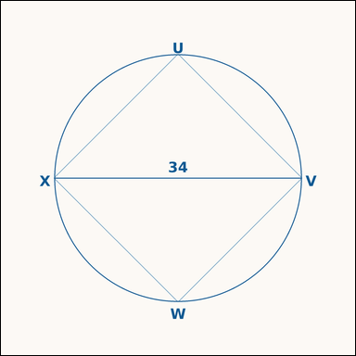 | 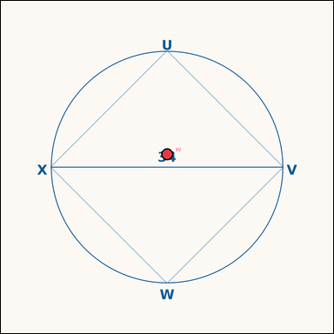 | task_geometry_analytical_2d_perimeter | inscribed_square_diameter | Look at the annotated image showing a geometric scene with measurement annotations. The square is inscribed in the circle, and a diameter is annotated. What is the perimeter of the square? Return a valid JSON object with keys "evidence" and "answer" in that order. Evidence: set "evidence" to a JSON object that maps each required annotation label to its shown measurement value. Required annotations: XV. Answer: set "answer" to the perimeter value rounded to one decimal place. Example JSON: {"evidence":{"XV":2},"answer":42.3} | Look at the annotated image showing a geometric scene with measurement annotations. The square is inscribed in the circle, and a diameter is annotated. What is the perimeter of the square? Return a valid JSON object with key "answer". Answer rule: set "answer" to the perimeter value rounded to one decimal place. Example JSON: {"answer":42.3} | {"evidence": {"XV": 34}, "answer": 96.2} | {"XV": 34} | number | measurement_ref_map | 608303759940539 | geometry/task_geometry_analytical_2d_perimeter/images/inscribed_square_diameter/0002.png | geometry/task_geometry_analytical_2d_perimeter/data/inscribed_square_diameter/0002.json
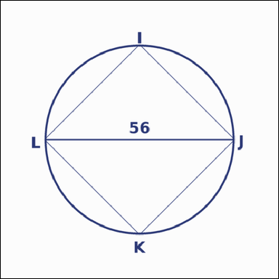 | 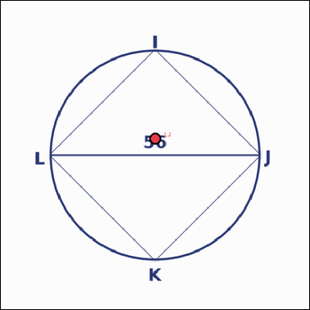 | task_geometry_analytical_2d_perimeter | inscribed_square_diameter | The image shows a geometric scene with measurement annotations. Based on the shown values, answer this question: The square is inscribed in the circle, and a diameter is annotated. What is the perimeter of the square? Return a valid JSON object with keys "evidence" and "answer" in that order. Evidence requirement: set "evidence" to a JSON object that maps each required annotation label to its shown measurement value. Required annotations: LJ. Answer format: set "answer" to the perimeter value rounded to one decimal place. Example JSON: {"evidence":{"LJ":2},"answer":42.3} | The image shows a geometric scene with measurement annotations. Based on the shown values, answer this question: The square is inscribed in the circle, and a diameter is annotated. What is the perimeter of the square? Return a valid JSON object with key "answer". Answer: set "answer" to the perimeter value rounded to one decimal place. Example JSON: {"answer":42.3} | {"evidence": {"LJ": 56}, "answer": 158.4} | {"LJ": 56} | number | measurement_ref_map | 911756328795634 | geometry/task_geometry_analytical_2d_perimeter/images/inscribed_square_diameter/0017.png | geometry/task_geometry_analytical_2d_perimeter/data/inscribed_square_diameter/0017.json
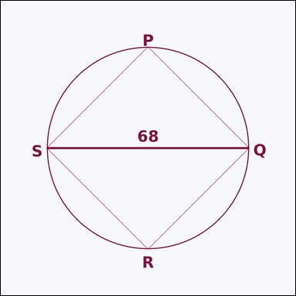 | 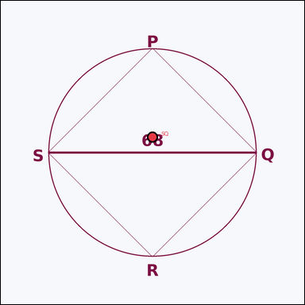 | task_geometry_analytical_2d_perimeter | inscribed_square_diameter | Look at the annotated image showing a geometric scene with measurement annotations. Based on the shown values, answer this question: The square is inscribed in the circle, and a diameter is annotated. What is the perimeter of the square? Return a valid JSON object with keys "evidence" and "answer" in that order. Evidence format: set "evidence" to a JSON object that maps each required annotation label to its shown measurement value. Required annotations: SQ. Answer requirement: set "answer" to the perimeter value rounded to one decimal place. Example JSON: {"evidence":{"SQ":2},"answer":42.3} | Look at the annotated image showing a geometric scene with measurement annotations. Based on the shown values, answer this question: The square is inscribed in the circle, and a diameter is annotated. What is the perimeter of the square? Return a valid JSON object with key "answer". Answer requirement: set "answer" to the perimeter value rounded to one decimal place. Example JSON: {"answer":42.3} | {"evidence": {"SQ": 68}, "answer": 192.3} | {"SQ": 68} | number | measurement_ref_map | 1.1325303815E+15 | geometry/task_geometry_analytical_2d_perimeter/images/inscribed_square_diameter/0010.png | geometry/task_geometry_analytical_2d_perimeter/data/inscribed_square_diameter/0010.json
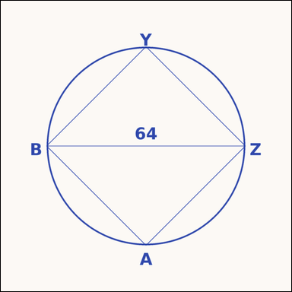 | 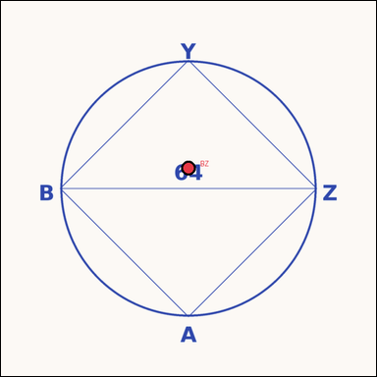 | task_geometry_analytical_2d_perimeter | inscribed_square_diameter | Look at the annotated image showing a geometric scene with measurement annotations. Read the marked measurements and answer: The square is inscribed in the circle, and a diameter is annotated. What is the perimeter of the square? Return a valid JSON object with keys "evidence" and "answer" in that order. Evidence: set "evidence" to a JSON object that maps each required annotation label to its shown measurement value. Required annotations: BZ. Answer: set "answer" to the perimeter value rounded to one decimal place. Example JSON: {"evidence":{"BZ":2},"answer":42.3} | Look at the annotated image showing a geometric scene with measurement annotations. Read the marked measurements and answer: The square is inscribed in the circle, and a diameter is annotated. What is the perimeter of the square? Return a valid JSON object with key "answer". Answer rule: set "answer" to the perimeter value rounded to one decimal place. Example JSON: {"answer":42.3} | {"evidence": {"BZ": 64}, "answer": 181.0} | {"BZ": 64} | number | measurement_ref_map | 1.2944815308E+15 | geometry/task_geometry_analytical_2d_perimeter/images/inscribed_square_diameter/0014.png | geometry/task_geometry_analytical_2d_perimeter/data/inscribed_square_diameter/0014.json
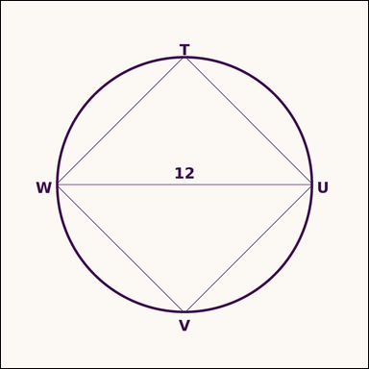 | 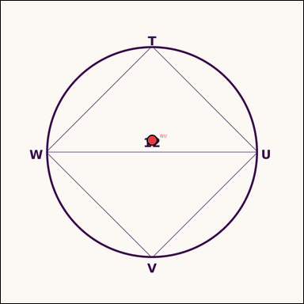 | task_geometry_analytical_2d_perimeter | inscribed_square_diameter | You are given an image showing a geometric scene with measurement annotations. Based on the shown values, answer this question: The square is inscribed in the circle, and a diameter is annotated. What is the perimeter of the square? Return a valid JSON object with keys "evidence" and "answer" in that order. Evidence requirement: set "evidence" to a JSON object that maps each required annotation label to its shown measurement value. Required annotations: WU. Answer format: set "answer" to the perimeter value rounded to one decimal place. Example JSON: {"evidence":{"WU":2},"answer":42.3} | You are given an image showing a geometric scene with measurement annotations. Based on the shown values, answer this question: The square is inscribed in the circle, and a diameter is annotated. What is the perimeter of the square? Return a valid JSON object with key "answer". Answer field: set "answer" to the perimeter value rounded to one decimal place. Example JSON: {"answer":42.3} | {"evidence": {"WU": 12}, "answer": 33.9} | {"WU": 12} | number | measurement_ref_map | 1.6715689472E+15 | geometry/task_geometry_analytical_2d_perimeter/images/inscribed_square_diameter/0016.png | geometry/task_geometry_analytical_2d_perimeter/data/inscribed_square_diameter/0016.json
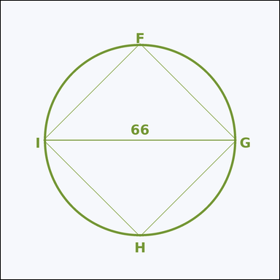 | 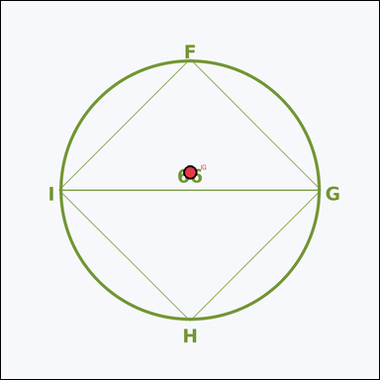 | task_geometry_analytical_2d_perimeter | inscribed_square_diameter | Work from the annotated scene showing a geometric scene with measurement annotations. The square is inscribed in the circle, and a diameter is annotated. What is the perimeter of the square? Return a valid JSON object with keys "evidence" and "answer" in that order. Evidence format: set "evidence" to a JSON object that maps each required annotation label to its shown measurement value. Required annotations: IG. Answer requirement: set "answer" to the perimeter value rounded to one decimal place. Example JSON: {"evidence":{"IG":2},"answer":42.3} | Work from the annotated scene showing a geometric scene with measurement annotations. The square is inscribed in the circle, and a diameter is annotated. What is the perimeter of the square? Return a valid JSON object with key "answer". Answer rule: set "answer" to the perimeter value rounded to one decimal place. Example JSON: {"answer":42.3} | {"evidence": {"IG": 66}, "answer": 186.7} | {"IG": 66} | number | measurement_ref_map | 1.6767904363E+15 | geometry/task_geometry_analytical_2d_perimeter/images/inscribed_square_diameter/0001.png | geometry/task_geometry_analytical_2d_perimeter/data/inscribed_square_diameter/0001.json
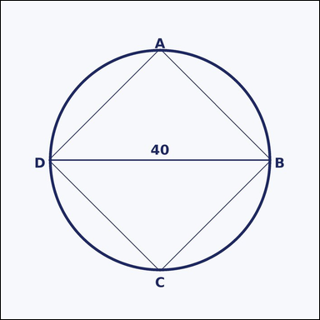 | 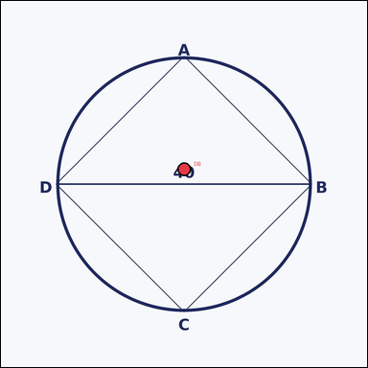 | task_geometry_analytical_2d_perimeter | inscribed_square_diameter | Look at the annotated image showing a geometric scene with measurement annotations. Read the marked measurements and answer: The square is inscribed in the circle, and a diameter is annotated. What is the perimeter of the square? Return a valid JSON object with keys "evidence" and "answer" in that order. Evidence format: set "evidence" to a JSON object that maps each required annotation label to its shown measurement value. Required annotations: DB. Answer requirement: set "answer" to the perimeter value rounded to one decimal place. Example JSON: {"evidence":{"DB":2},"answer":42.3} | Look at the annotated image showing a geometric scene with measurement annotations. Read the marked measurements and answer: The square is inscribed in the circle, and a diameter is annotated. What is the perimeter of the square? Return a valid JSON object with key "answer". Answer: set "answer" to the perimeter value rounded to one decimal place. Example JSON: {"answer":42.3} | {"evidence": {"DB": 40}, "answer": 113.1} | {"DB": 40} | number | measurement_ref_map | 1.9658586424E+15 | geometry/task_geometry_analytical_2d_perimeter/images/inscribed_square_diameter/0015.png | geometry/task_geometry_analytical_2d_perimeter/data/inscribed_square_diameter/0015.json
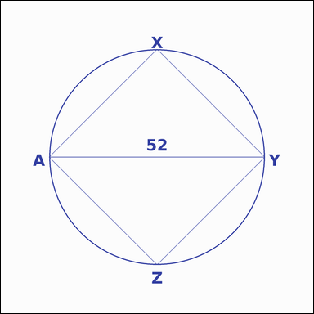 | 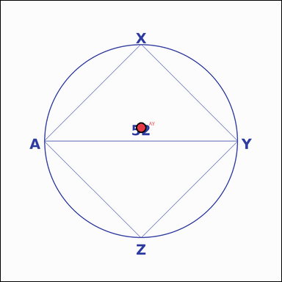 | task_geometry_analytical_2d_perimeter | inscribed_square_diameter | Work from the annotated scene showing a geometric scene with measurement annotations. Task: The square is inscribed in the circle, and a diameter is annotated. What is the perimeter of the square? Return a valid JSON object with keys "evidence" and "answer" in that order. Evidence field: set "evidence" to a JSON object that maps each required annotation label to its shown measurement value. Required annotations: AY. Answer field: set "answer" to the perimeter value rounded to one decimal place. Example JSON: {"evidence":{"AY":2},"answer":42.3} | Work from the annotated scene showing a geometric scene with measurement annotations. Task: The square is inscribed in the circle, and a diameter is annotated. What is the perimeter of the square? Return a valid JSON object with key "answer". Answer format: set "answer" to the perimeter value rounded to one decimal place. Example JSON: {"answer":42.3} | {"evidence": {"AY": 52}, "answer": 147.1} | {"AY": 52} | number | measurement_ref_map | 2.8338828682E+15 | geometry/task_geometry_analytical_2d_perimeter/images/inscribed_square_diameter/0009.png | geometry/task_geometry_analytical_2d_perimeter/data/inscribed_square_diameter/0009.json
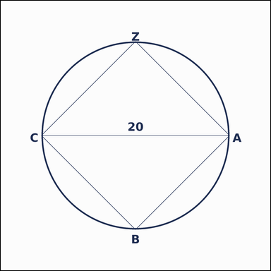 | 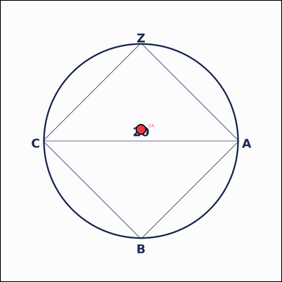 | task_geometry_analytical_2d_perimeter | inscribed_square_diameter | Look at the annotated image showing a geometric scene with measurement annotations. Question: The square is inscribed in the circle, and a diameter is annotated. What is the perimeter of the square? Return a valid JSON object with keys "evidence" and "answer" in that order. Evidence requirement: set "evidence" to a JSON object that maps each required annotation label to its shown measurement value. Required annotations: CA. Answer format: set "answer" to the perimeter value rounded to one decimal place. Example JSON: {"evidence":{"CA":2},"answer":42.3} | Look at the annotated image showing a geometric scene with measurement annotations. Question: The square is inscribed in the circle, and a diameter is annotated. What is the perimeter of the square? Return a valid JSON object with key "answer". Answer rule: set "answer" to the perimeter value rounded to one decimal place. Example JSON: {"answer":42.3} | {"evidence": {"CA": 20}, "answer": 56.6} | {"CA": 20} | number | measurement_ref_map | 3.1604476178E+15 | geometry/task_geometry_analytical_2d_perimeter/images/inscribed_square_diameter/0021.png | geometry/task_geometry_analytical_2d_perimeter/data/inscribed_square_diameter/0021.json
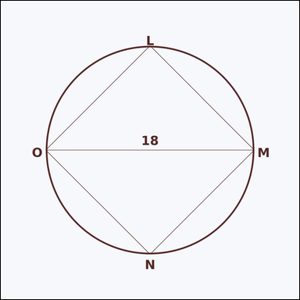 | 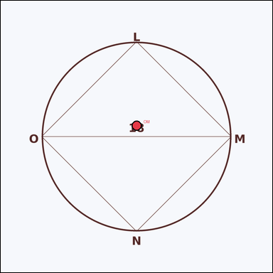 | task_geometry_analytical_2d_perimeter | inscribed_square_diameter | Work from the annotated scene showing a geometric scene with measurement annotations. Task: The square is inscribed in the circle, and a diameter is annotated. What is the perimeter of the square? Return a valid JSON object with keys "evidence" and "answer" in that order. Evidence requirement: set "evidence" to a JSON object that maps each required annotation label to its shown measurement value. Required annotations: OM. Answer format: set "answer" to the perimeter value rounded to one decimal place. Example JSON: {"evidence":{"OM":2},"answer":42.3} | Work from the annotated scene showing a geometric scene with measurement annotations. Task: The square is inscribed in the circle, and a diameter is annotated. What is the perimeter of the square? Return a valid JSON object with key "answer". Answer format: set "answer" to the perimeter value rounded to one decimal place. Example JSON: {"answer":42.3} | {"evidence": {"OM": 18}, "answer": 50.9} | {"OM": 18} | number | measurement_ref_map | 3.8616176701E+15 | geometry/task_geometry_analytical_2d_perimeter/images/inscribed_square_diameter/0004.png | geometry/task_geometry_analytical_2d_perimeter/data/inscribed_square_diameter/0004.json
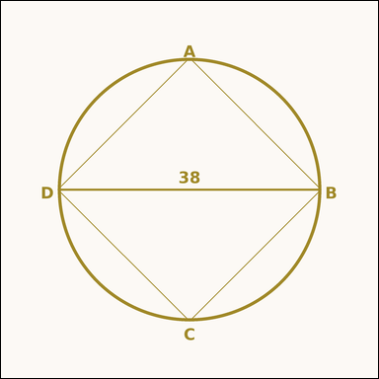 | 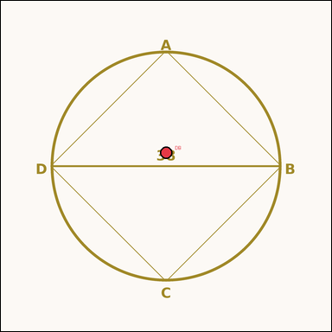 | task_geometry_analytical_2d_perimeter | inscribed_square_diameter | The image shows a geometric scene with measurement annotations. The square is inscribed in the circle, and a diameter is annotated. What is the perimeter of the square? Return a valid JSON object with keys "evidence" and "answer" in that order. Evidence field: set "evidence" to a JSON object that maps each required annotation label to its shown measurement value. Required annotations: DB. Answer field: set "answer" to the perimeter value rounded to one decimal place. Example JSON: {"evidence":{"DB":2},"answer":42.3} | The image shows a geometric scene with measurement annotations. The square is inscribed in the circle, and a diameter is annotated. What is the perimeter of the square? Return a valid JSON object with key "answer". Answer requirement: set "answer" to the perimeter value rounded to one decimal place. Example JSON: {"answer":42.3} | {"evidence": {"DB": 38}, "answer": 107.5} | {"DB": 38} | number | measurement_ref_map | 4.4373590116E+15 | geometry/task_geometry_analytical_2d_perimeter/images/inscribed_square_diameter/0006.png | geometry/task_geometry_analytical_2d_perimeter/data/inscribed_square_diameter/0006.json
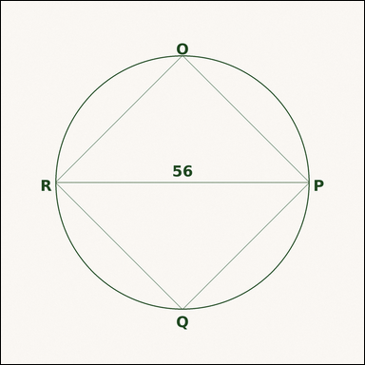 | 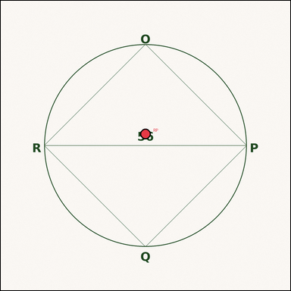 | task_geometry_analytical_2d_perimeter | inscribed_square_diameter | Look at the annotated image showing a geometric scene with measurement annotations. Based on the shown values, answer this question: The square is inscribed in the circle, and a diameter is annotated. What is the perimeter of the square? Return a valid JSON object with keys "evidence" and "answer" in that order. Evidence rule: set "evidence" to a JSON object that maps each required annotation label to its shown measurement value. Required annotations: RP. Answer rule: set "answer" to the perimeter value rounded to one decimal place. Example JSON: {"evidence":{"RP":2},"answer":42.3} | Look at the annotated image showing a geometric scene with measurement annotations. Based on the shown values, answer this question: The square is inscribed in the circle, and a diameter is annotated. What is the perimeter of the square? Return a valid JSON object with key "answer". Answer requirement: set "answer" to the perimeter value rounded to one decimal place. Example JSON: {"answer":42.3} | {"evidence": {"RP": 56}, "answer": 158.4} | {"RP": 56} | number | measurement_ref_map | 4.796574188E+15 | geometry/task_geometry_analytical_2d_perimeter/images/inscribed_square_diameter/0022.png | geometry/task_geometry_analytical_2d_perimeter/data/inscribed_square_diameter/0022.json
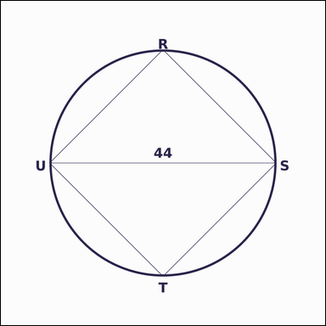 | 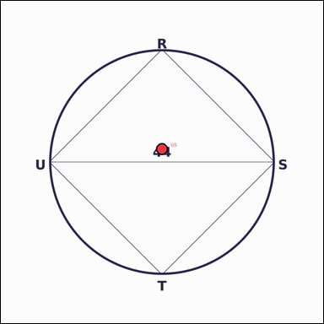 | task_geometry_analytical_2d_perimeter | inscribed_square_diameter | Look at the annotated image showing a geometric scene with measurement annotations. The square is inscribed in the circle, and a diameter is annotated. What is the perimeter of the square? Return a valid JSON object with keys "evidence" and "answer" in that order. Evidence field: set "evidence" to a JSON object that maps each required annotation label to its shown measurement value. Required annotations: US. Answer field: set "answer" to the perimeter value rounded to one decimal place. Example JSON: {"evidence":{"US":2},"answer":42.3} | Look at the annotated image showing a geometric scene with measurement annotations. The square is inscribed in the circle, and a diameter is annotated. What is the perimeter of the square? Return a valid JSON object with key "answer". Answer requirement: set "answer" to the perimeter value rounded to one decimal place. Example JSON: {"answer":42.3} | {"evidence": {"US": 44}, "answer": 124.5} | {"US": 44} | number | measurement_ref_map | 4.930626292E+15 | geometry/task_geometry_analytical_2d_perimeter/images/inscribed_square_diameter/0020.png | geometry/task_geometry_analytical_2d_perimeter/data/inscribed_square_diameter/0020.json
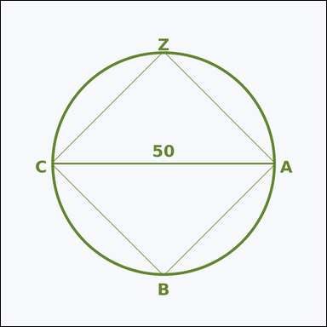 | 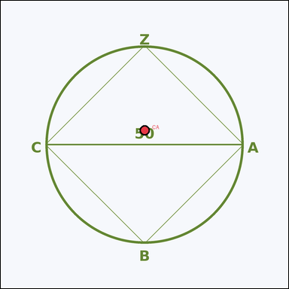 | task_geometry_analytical_2d_perimeter | inscribed_square_diameter | Work from the annotated scene showing a geometric scene with measurement annotations. Read the marked measurements and answer: The square is inscribed in the circle, and a diameter is annotated. What is the perimeter of the square? Return a valid JSON object with keys "evidence" and "answer" in that order. Evidence field: set "evidence" to a JSON object that maps each required annotation label to its shown measurement value. Required annotations: CA. Answer field: set "answer" to the perimeter value rounded to one decimal place. Example JSON: {"evidence":{"CA":2},"answer":42.3} | Work from the annotated scene showing a geometric scene with measurement annotations. Read the marked measurements and answer: The square is inscribed in the circle, and a diameter is annotated. What is the perimeter of the square? Return a valid JSON object with key "answer". Answer rule: set "answer" to the perimeter value rounded to one decimal place. Example JSON: {"answer":42.3} | {"evidence": {"CA": 50}, "answer": 141.4} | {"CA": 50} | number | measurement_ref_map | 5.1588697944E+15 | geometry/task_geometry_analytical_2d_perimeter/images/inscribed_square_diameter/0012.png | geometry/task_geometry_analytical_2d_perimeter/data/inscribed_square_diameter/0012.json
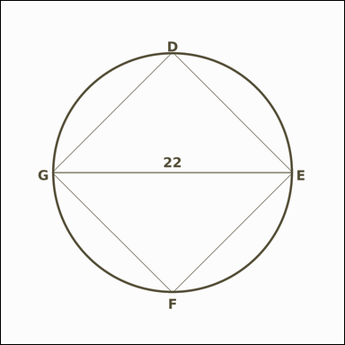 | 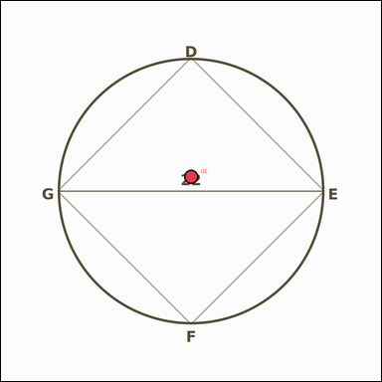 | task_geometry_analytical_2d_perimeter | inscribed_square_diameter | Work from the annotated scene showing a geometric scene with measurement annotations. Read the marked measurements and answer: The square is inscribed in the circle, and a diameter is annotated. What is the perimeter of the square? Return a valid JSON object with keys "evidence" and "answer" in that order. Evidence format: set "evidence" to a JSON object that maps each required annotation label to its shown measurement value. Required annotations: GE. Answer requirement: set "answer" to the perimeter value rounded to one decimal place. Example JSON: {"evidence":{"GE":2},"answer":42.3} | Work from the annotated scene showing a geometric scene with measurement annotations. Read the marked measurements and answer: The square is inscribed in the circle, and a diameter is annotated. What is the perimeter of the square? Return a valid JSON object with key "answer". Answer requirement: set "answer" to the perimeter value rounded to one decimal place. Example JSON: {"answer":42.3} | {"evidence": {"GE": 22}, "answer": 62.2} | {"GE": 22} | number | measurement_ref_map | 5.4175452593E+15 | geometry/task_geometry_analytical_2d_perimeter/images/inscribed_square_diameter/0023.png | geometry/task_geometry_analytical_2d_perimeter/data/inscribed_square_diameter/0023.json
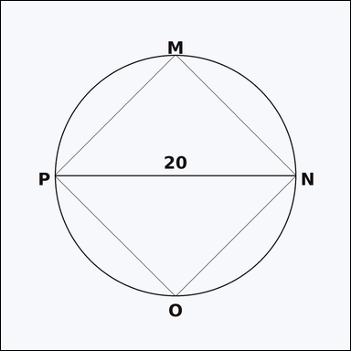 | 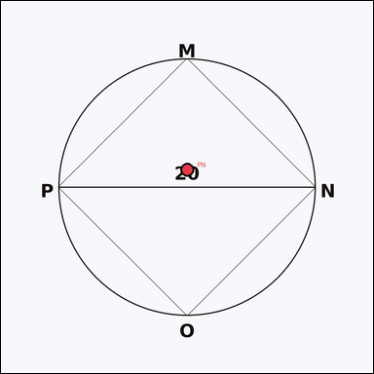 | task_geometry_analytical_2d_perimeter | inscribed_square_diameter | The image shows a geometric scene with measurement annotations. Read the marked measurements and answer: The square is inscribed in the circle, and a diameter is annotated. What is the perimeter of the square? Return a valid JSON object with keys "evidence" and "answer" in that order. Evidence: set "evidence" to a JSON object that maps each required annotation label to its shown measurement value. Required annotations: PN. Answer: set "answer" to the perimeter value rounded to one decimal place. Example JSON: {"evidence":{"PN":2},"answer":42.3} | The image shows a geometric scene with measurement annotations. Read the marked measurements and answer: The square is inscribed in the circle, and a diameter is annotated. What is the perimeter of the square? Return a valid JSON object with key "answer". Answer: set "answer" to the perimeter value rounded to one decimal place. Example JSON: {"answer":42.3} | {"evidence": {"PN": 20}, "answer": 56.6} | {"PN": 20} | number | measurement_ref_map | 6.0109023838E+15 | geometry/task_geometry_analytical_2d_perimeter/images/inscribed_square_diameter/0011.png | geometry/task_geometry_analytical_2d_perimeter/data/inscribed_square_diameter/0011.json
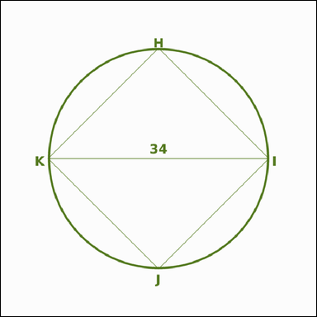 | 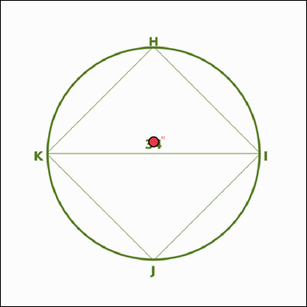 | task_geometry_analytical_2d_perimeter | inscribed_square_diameter | You are given an image showing a geometric scene with measurement annotations. Read the marked measurements and answer: The square is inscribed in the circle, and a diameter is annotated. What is the perimeter of the square? Return a valid JSON object with keys "evidence" and "answer" in that order. Evidence format: set "evidence" to a JSON object that maps each required annotation label to its shown measurement value. Required annotations: KI. Answer requirement: set "answer" to the perimeter value rounded to one decimal place. Example JSON: {"evidence":{"KI":2},"answer":42.3} | You are given an image showing a geometric scene with measurement annotations. Read the marked measurements and answer: The square is inscribed in the circle, and a diameter is annotated. What is the perimeter of the square? Return a valid JSON object with key "answer". Answer format: set "answer" to the perimeter value rounded to one decimal place. Example JSON: {"answer":42.3} | {"evidence": {"KI": 34}, "answer": 96.2} | {"KI": 34} | number | measurement_ref_map | 6.7326355542E+15 | geometry/task_geometry_analytical_2d_perimeter/images/inscribed_square_diameter/0019.png | geometry/task_geometry_analytical_2d_perimeter/data/inscribed_square_diameter/0019.json
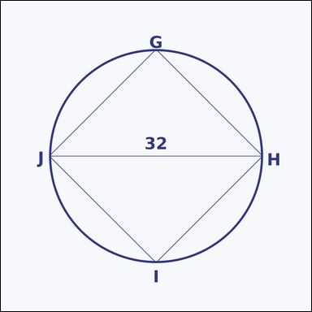 | 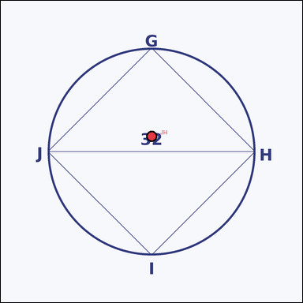 | task_geometry_analytical_2d_perimeter | inscribed_square_diameter | Look at the annotated image showing a geometric scene with measurement annotations. Read the marked measurements and answer: The square is inscribed in the circle, and a diameter is annotated. What is the perimeter of the square? Return a valid JSON object with keys "evidence" and "answer" in that order. Evidence rule: set "evidence" to a JSON object that maps each required annotation label to its shown measurement value. Required annotations: JH. Answer rule: set "answer" to the perimeter value rounded to one decimal place. Example JSON: {"evidence":{"JH":2},"answer":42.3} | Look at the annotated image showing a geometric scene with measurement annotations. Read the marked measurements and answer: The square is inscribed in the circle, and a diameter is annotated. What is the perimeter of the square? Return a valid JSON object with key "answer". Answer rule: set "answer" to the perimeter value rounded to one decimal place. Example JSON: {"answer":42.3} | {"evidence": {"JH": 32}, "answer": 90.5} | {"JH": 32} | number | measurement_ref_map | 6.9420532899E+15 | geometry/task_geometry_analytical_2d_perimeter/images/inscribed_square_diameter/0024.png | geometry/task_geometry_analytical_2d_perimeter/data/inscribed_square_diameter/0024.json
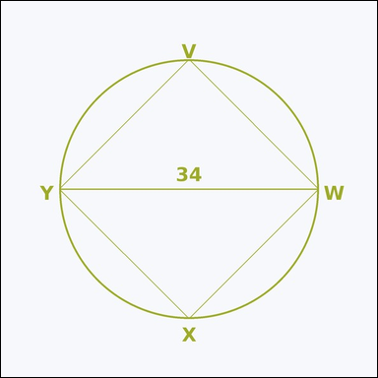 | 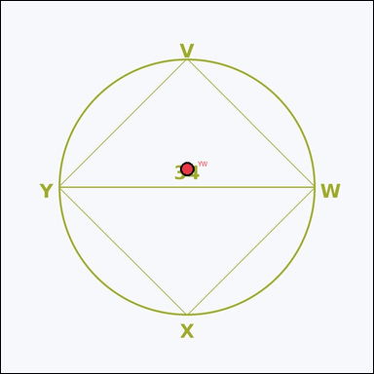 | task_geometry_analytical_2d_perimeter | inscribed_square_diameter | You are given an image showing a geometric scene with measurement annotations. Question: The square is inscribed in the circle, and a diameter is annotated. What is the perimeter of the square? Return a valid JSON object with keys "evidence" and "answer" in that order. Evidence: set "evidence" to a JSON object that maps each required annotation label to its shown measurement value. Required annotations: YW. Answer: set "answer" to the perimeter value rounded to one decimal place. Example JSON: {"evidence":{"YW":2},"answer":42.3} | You are given an image showing a geometric scene with measurement annotations. Question: The square is inscribed in the circle, and a diameter is annotated. What is the perimeter of the square? Return a valid JSON object with key "answer". Answer: set "answer" to the perimeter value rounded to one decimal place. Example JSON: {"answer":42.3} | {"evidence": {"YW": 34}, "answer": 96.2} | {"YW": 34} | number | measurement_ref_map | 7.2703951511E+15 | geometry/task_geometry_analytical_2d_perimeter/images/inscribed_square_diameter/0000.png | geometry/task_geometry_analytical_2d_perimeter/data/inscribed_square_diameter/0000.json
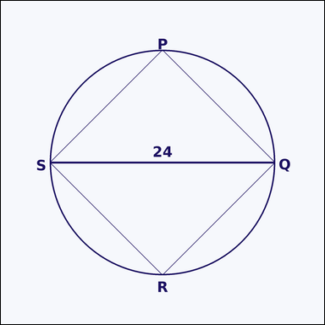 | 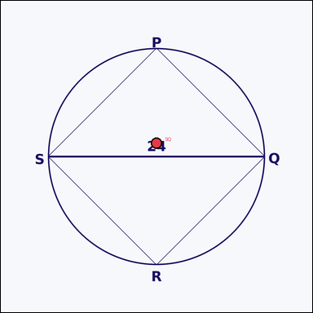 | task_geometry_analytical_2d_perimeter | inscribed_square_diameter | Look at the annotated image showing a geometric scene with measurement annotations. The square is inscribed in the circle, and a diameter is annotated. What is the perimeter of the square? Return a valid JSON object with keys "evidence" and "answer" in that order. Evidence field: set "evidence" to a JSON object that maps each required annotation label to its shown measurement value. Required annotations: SQ. Answer field: set "answer" to the perimeter value rounded to one decimal place. Example JSON: {"evidence":{"SQ":2},"answer":42.3} | Look at the annotated image showing a geometric scene with measurement annotations. The square is inscribed in the circle, and a diameter is annotated. What is the perimeter of the square? Return a valid JSON object with key "answer". Answer rule: set "answer" to the perimeter value rounded to one decimal place. Example JSON: {"answer":42.3} | {"evidence": {"SQ": 24}, "answer": 67.9} | {"SQ": 24} | number | measurement_ref_map | 8.0244527434E+15 | geometry/task_geometry_analytical_2d_perimeter/images/inscribed_square_diameter/0003.png | geometry/task_geometry_analytical_2d_perimeter/data/inscribed_square_diameter/0003.json
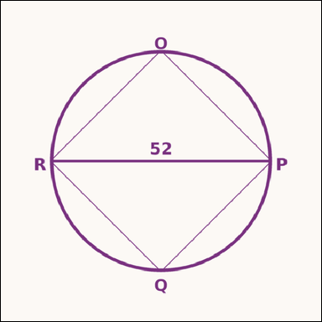 | 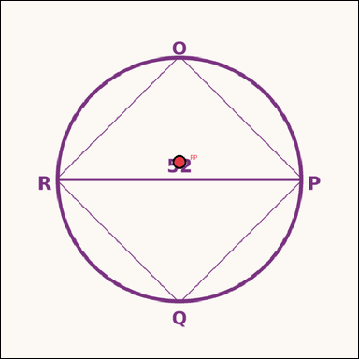 | task_geometry_analytical_2d_perimeter | inscribed_square_diameter | You are given an image showing a geometric scene with measurement annotations. Question: The square is inscribed in the circle, and a diameter is annotated. What is the perimeter of the square? Return a valid JSON object with keys "evidence" and "answer" in that order. Evidence format: set "evidence" to a JSON object that maps each required annotation label to its shown measurement value. Required annotations: RP. Answer requirement: set "answer" to the perimeter value rounded to one decimal place. Example JSON: {"evidence":{"RP":2},"answer":42.3} | You are given an image showing a geometric scene with measurement annotations. Question: The square is inscribed in the circle, and a diameter is annotated. What is the perimeter of the square? Return a valid JSON object with key "answer". Answer: set "answer" to the perimeter value rounded to one decimal place. Example JSON: {"answer":42.3} | {"evidence": {"RP": 52}, "answer": 147.1} | {"RP": 52} | number | measurement_ref_map | 8.1070197197E+15 | geometry/task_geometry_analytical_2d_perimeter/images/inscribed_square_diameter/0005.png | geometry/task_geometry_analytical_2d_perimeter/data/inscribed_square_diameter/0005.json
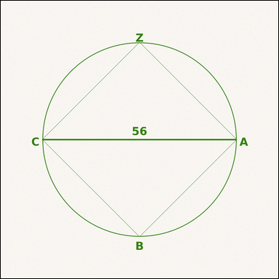 | 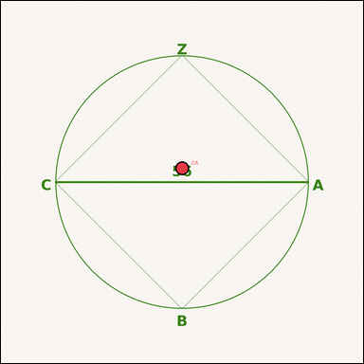 | task_geometry_analytical_2d_perimeter | inscribed_square_diameter | Work from the annotated scene showing a geometric scene with measurement annotations. Read the marked measurements and answer: The square is inscribed in the circle, and a diameter is annotated. What is the perimeter of the square? Return a valid JSON object with keys "evidence" and "answer" in that order. Evidence rule: set "evidence" to a JSON object that maps each required annotation label to its shown measurement value. Required annotations: CA. Answer rule: set "answer" to the perimeter value rounded to one decimal place. Example JSON: {"evidence":{"CA":2},"answer":42.3} | Work from the annotated scene showing a geometric scene with measurement annotations. Read the marked measurements and answer: The square is inscribed in the circle, and a diameter is annotated. What is the perimeter of the square? Return a valid JSON object with key "answer". Answer rule: set "answer" to the perimeter value rounded to one decimal place. Example JSON: {"answer":42.3} | {"evidence": {"CA": 56}, "answer": 158.4} | {"CA": 56} | number | measurement_ref_map | 8.2041310041E+15 | geometry/task_geometry_analytical_2d_perimeter/images/inscribed_square_diameter/0018.png | geometry/task_geometry_analytical_2d_perimeter/data/inscribed_square_diameter/0018.json
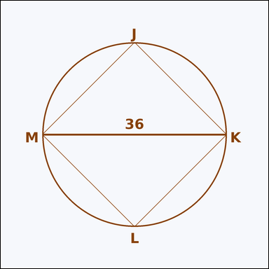 | 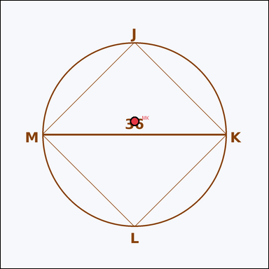 | task_geometry_analytical_2d_perimeter | inscribed_square_diameter | Use the image showing a geometric scene with measurement annotations. Based on the shown values, answer this question: The square is inscribed in the circle, and a diameter is annotated. What is the perimeter of the square? Return a valid JSON object with keys "evidence" and "answer" in that order. Evidence requirement: set "evidence" to a JSON object that maps each required annotation label to its shown measurement value. Required annotations: MK. Answer format: set "answer" to the perimeter value rounded to one decimal place. Example JSON: {"evidence":{"MK":2},"answer":42.3} | Use the image showing a geometric scene with measurement annotations. Based on the shown values, answer this question: The square is inscribed in the circle, and a diameter is annotated. What is the perimeter of the square? Return a valid JSON object with key "answer". Answer rule: set "answer" to the perimeter value rounded to one decimal place. Example JSON: {"answer":42.3} | {"evidence": {"MK": 36}, "answer": 101.8} | {"MK": 36} | number | measurement_ref_map | 8.3047613031E+15 | geometry/task_geometry_analytical_2d_perimeter/images/inscribed_square_diameter/0007.png | geometry/task_geometry_analytical_2d_perimeter/data/inscribed_square_diameter/0007.json
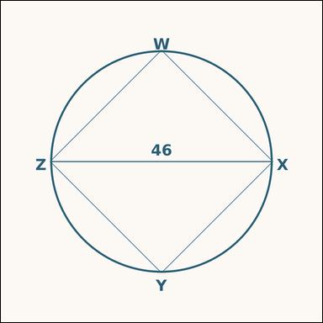 | 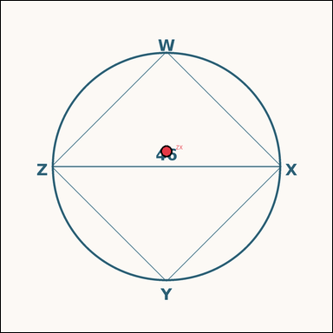 | task_geometry_analytical_2d_perimeter | inscribed_square_diameter | You are given an image showing a geometric scene with measurement annotations. Read the marked measurements and answer: The square is inscribed in the circle, and a diameter is annotated. What is the perimeter of the square? Return a valid JSON object with keys "evidence" and "answer" in that order. Evidence format: set "evidence" to a JSON object that maps each required annotation label to its shown measurement value. Required annotations: ZX. Answer requirement: set "answer" to the perimeter value rounded to one decimal place. Example JSON: {"evidence":{"ZX":2},"answer":42.3} | You are given an image showing a geometric scene with measurement annotations. Read the marked measurements and answer: The square is inscribed in the circle, and a diameter is annotated. What is the perimeter of the square? Return a valid JSON object with key "answer". Answer rule: set "answer" to the perimeter value rounded to one decimal place. Example JSON: {"answer":42.3} | {"evidence": {"ZX": 46}, "answer": 130.1} | {"ZX": 46} | number | measurement_ref_map | 8.6056264889E+15 | geometry/task_geometry_analytical_2d_perimeter/images/inscribed_square_diameter/0013.png | geometry/task_geometry_analytical_2d_perimeter/data/inscribed_square_diameter/0013.json
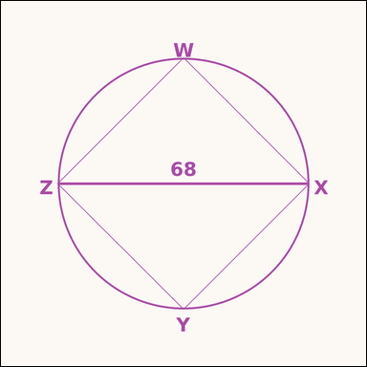 | 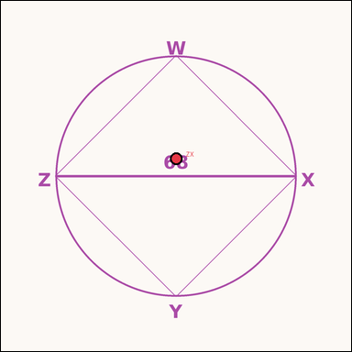 | task_geometry_analytical_2d_perimeter | inscribed_square_diameter | Look at the annotated image showing a geometric scene with measurement annotations. Task: The square is inscribed in the circle, and a diameter is annotated. What is the perimeter of the square? Return a valid JSON object with keys "evidence" and "answer" in that order. Evidence: set "evidence" to a JSON object that maps each required annotation label to its shown measurement value. Required annotations: ZX. Answer: set "answer" to the perimeter value rounded to one decimal place. Example JSON: {"evidence":{"ZX":2},"answer":42.3} | Look at the annotated image showing a geometric scene with measurement annotations. Task: The square is inscribed in the circle, and a diameter is annotated. What is the perimeter of the square? Return a valid JSON object with key "answer". Answer: set "answer" to the perimeter value rounded to one decimal place. Example JSON: {"answer":42.3} | {"evidence": {"ZX": 68}, "answer": 192.3} | {"ZX": 68} | number | measurement_ref_map | 8.8691075129E+15 | geometry/task_geometry_analytical_2d_perimeter/images/inscribed_square_diameter/0008.png | geometry/task_geometry_analytical_2d_perimeter/data/inscribed_square_diameter/0008.json

isosceles_trapezoid_bases_heigh
image | evidence_image | task | task_variant | prompt | prompt_answer_only | answer | answer_evidence | answer_type | evidence_type | instance_seed | image_path | data_path
 |  | task_geometry_analytical_2d_perimeter | isosceles_trapezoid_bases_height | The image shows a geometric scene with measurement annotations. Task: The isosceles trapezoid shows both bases and a height. What is the perimeter of the trapezoid? Return a valid JSON object with keys "evidence" and "answer" in that order. Evidence format: set "evidence" to a JSON object that maps each required annotation label to its shown measurement value. Required annotations: RS, UT, UV. Answer requirement: set "answer" to the perimeter value rounded to one decimal place. Example JSON: {"evidence":{"RS":2,"UT":3,"UV":4},"answer":42.3} | The image shows a geometric scene with measurement annotations. Task: The isosceles trapezoid shows both bases and a height. What is the perimeter of the trapezoid? Return a valid JSON object with key "answer". Answer: set "answer" to the perimeter value rounded to one decimal place. Example JSON: {"answer":42.3} | {"evidence": {"RS": 72, "UT": 38, "UV": 3}, "answer": 144.5} | {"RS": 72, "UT": 38, "UV": 3} | number | measurement_ref_map | 389178335218888 | geometry/task_geometry_analytical_2d_perimeter/images/isosceles_trapezoid_bases_height/0023.png | geometry/task_geometry_analytical_2d_perimeter/data/isosceles_trapezoid_bases_height/0023.json
 |  | task_geometry_analytical_2d_perimeter | isosceles_trapezoid_bases_height | Use the image showing a geometric scene with measurement annotations. Read the marked measurements and answer: The isosceles trapezoid shows both bases and a height. What is the perimeter of the trapezoid? Return a valid JSON object with keys "evidence" and "answer" in that order. Evidence requirement: set "evidence" to a JSON object that maps each required annotation label to its shown measurement value. Required annotations: WX, ZY, ZA. Answer format: set "answer" to the perimeter value rounded to one decimal place. Example JSON: {"evidence":{"WX":2,"ZY":3,"ZA":4},"answer":42.3} | Use the image showing a geometric scene with measurement annotations. Read the marked measurements and answer: The isosceles trapezoid shows both bases and a height. What is the perimeter of the trapezoid? Return a valid JSON object with key "answer". Answer requirement: set "answer" to the perimeter value rounded to one decimal place. Example JSON: {"answer":42.3} | {"evidence": {"WX": 18, "ZY": 14, "ZA": 29}, "answer": 90.1} | {"WX": 18, "ZY": 14, "ZA": 29} | number | measurement_ref_map | 501266603190918 | geometry/task_geometry_analytical_2d_perimeter/images/isosceles_trapezoid_bases_height/0013.png | geometry/task_geometry_analytical_2d_perimeter/data/isosceles_trapezoid_bases_height/0013.json
 |  | task_geometry_analytical_2d_perimeter | isosceles_trapezoid_bases_height | Look at the annotated image showing a geometric scene with measurement annotations. Question: The isosceles trapezoid shows both bases and a height. What is the perimeter of the trapezoid? Return a valid JSON object with keys "evidence" and "answer" in that order. Evidence format: set "evidence" to a JSON object that maps each required annotation label to its shown measurement value. Required annotations: RS, UT, UV. Answer requirement: set "answer" to the perimeter value rounded to one decimal place. Example JSON: {"evidence":{"RS":2,"UT":3,"UV":4},"answer":42.3} | Look at the annotated image showing a geometric scene with measurement annotations. Question: The isosceles trapezoid shows both bases and a height. What is the perimeter of the trapezoid? Return a valid JSON object with key "answer". Answer format: set "answer" to the perimeter value rounded to one decimal place. Example JSON: {"answer":42.3} | {"evidence": {"RS": 25, "UT": 17, "UV": 28}, "answer": 98.6} | {"RS": 25, "UT": 17, "UV": 28} | number | measurement_ref_map | 589418109034048 | geometry/task_geometry_analytical_2d_perimeter/images/isosceles_trapezoid_bases_height/0022.png | geometry/task_geometry_analytical_2d_perimeter/data/isosceles_trapezoid_bases_height/0022.json
 |  | task_geometry_analytical_2d_perimeter | isosceles_trapezoid_bases_height | Use the image showing a geometric scene with measurement annotations. Task: The isosceles trapezoid shows both bases and a height. What is the perimeter of the trapezoid? Return a valid JSON object with keys "evidence" and "answer" in that order. Evidence field: set "evidence" to a JSON object that maps each required annotation label to its shown measurement value. Required annotations: MN, PO, PQ. Answer field: set "answer" to the perimeter value rounded to one decimal place. Example JSON: {"evidence":{"MN":2,"PO":3,"PQ":4},"answer":42.3} | Use the image showing a geometric scene with measurement annotations. Task: The isosceles trapezoid shows both bases and a height. What is the perimeter of the trapezoid? Return a valid JSON object with key "answer". Answer requirement: set "answer" to the perimeter value rounded to one decimal place. Example JSON: {"answer":42.3} | {"evidence": {"MN": 45, "PO": 9, "PQ": 6}, "answer": 91.9} | {"MN": 45, "PO": 9, "PQ": 6} | number | measurement_ref_map | 1.7261699036E+15 | geometry/task_geometry_analytical_2d_perimeter/images/isosceles_trapezoid_bases_height/0005.png | geometry/task_geometry_analytical_2d_perimeter/data/isosceles_trapezoid_bases_height/0005.json
 |  | task_geometry_analytical_2d_perimeter | isosceles_trapezoid_bases_height | You are given an image showing a geometric scene with measurement annotations. The isosceles trapezoid shows both bases and a height. What is the perimeter of the trapezoid? Return a valid JSON object with keys "evidence" and "answer" in that order. Evidence field: set "evidence" to a JSON object that maps each required annotation label to its shown measurement value. Required annotations: PQ, SR, ST. Answer field: set "answer" to the perimeter value rounded to one decimal place. Example JSON: {"evidence":{"PQ":2,"SR":3,"ST":4},"answer":42.3} | You are given an image showing a geometric scene with measurement annotations. The isosceles trapezoid shows both bases and a height. What is the perimeter of the trapezoid? Return a valid JSON object with key "answer". Answer requirement: set "answer" to the perimeter value rounded to one decimal place. Example JSON: {"answer":42.3} | {"evidence": {"PQ": 42, "SR": 14, "ST": 38}, "answer": 137.0} | {"PQ": 42, "SR": 14, "ST": 38} | number | measurement_ref_map | 1.9804580126E+15 | geometry/task_geometry_analytical_2d_perimeter/images/isosceles_trapezoid_bases_height/0001.png | geometry/task_geometry_analytical_2d_perimeter/data/isosceles_trapezoid_bases_height/0001.json
 |  | task_geometry_analytical_2d_perimeter | isosceles_trapezoid_bases_height | Use the image showing a geometric scene with measurement annotations. Task: The isosceles trapezoid shows both bases and a height. What is the perimeter of the trapezoid? Return a valid JSON object with keys "evidence" and "answer" in that order. Evidence rule: set "evidence" to a JSON object that maps each required annotation label to its shown measurement value. Required annotations: GH, JI, JK. Answer rule: set "answer" to the perimeter value rounded to one decimal place. Example JSON: {"evidence":{"GH":2,"JI":3,"JK":4},"answer":42.3} | Use the image showing a geometric scene with measurement annotations. Task: The isosceles trapezoid shows both bases and a height. What is the perimeter of the trapezoid? Return a valid JSON object with key "answer". Answer rule: set "answer" to the perimeter value rounded to one decimal place. Example JSON: {"answer":42.3} | {"evidence": {"GH": 40, "JI": 26, "JK": 39}, "answer": 145.2} | {"GH": 40, "JI": 26, "JK": 39} | number | measurement_ref_map | 2.0358205865E+15 | geometry/task_geometry_analytical_2d_perimeter/images/isosceles_trapezoid_bases_height/0002.png | geometry/task_geometry_analytical_2d_perimeter/data/isosceles_trapezoid_bases_height/0002.json
 |  | task_geometry_analytical_2d_perimeter | isosceles_trapezoid_bases_height | Look at the annotated image showing a geometric scene with measurement annotations. Question: The isosceles trapezoid shows both bases and a height. What is the perimeter of the trapezoid? Return a valid JSON object with keys "evidence" and "answer" in that order. Evidence field: set "evidence" to a JSON object that maps each required annotation label to its shown measurement value. Required annotations: PQ, SR, ST. Answer field: set "answer" to the perimeter value rounded to one decimal place. Example JSON: {"evidence":{"PQ":2,"SR":3,"ST":4},"answer":42.3} | Look at the annotated image showing a geometric scene with measurement annotations. Question: The isosceles trapezoid shows both bases and a height. What is the perimeter of the trapezoid? Return a valid JSON object with key "answer". Answer format: set "answer" to the perimeter value rounded to one decimal place. Example JSON: {"answer":42.3} | {"evidence": {"PQ": 50, "SR": 40, "ST": 9}, "answer": 110.6} | {"PQ": 50, "SR": 40, "ST": 9} | number | measurement_ref_map | 2.0856311129E+15 | geometry/task_geometry_analytical_2d_perimeter/images/isosceles_trapezoid_bases_height/0014.png | geometry/task_geometry_analytical_2d_perimeter/data/isosceles_trapezoid_bases_height/0014.json
 |  | task_geometry_analytical_2d_perimeter | isosceles_trapezoid_bases_height | You are given an image showing a geometric scene with measurement annotations. The isosceles trapezoid shows both bases and a height. What is the perimeter of the trapezoid? Return a valid JSON object with keys "evidence" and "answer" in that order. Evidence field: set "evidence" to a JSON object that maps each required annotation label to its shown measurement value. Required annotations: VW, YX, YZ. Answer field: set "answer" to the perimeter value rounded to one decimal place. Example JSON: {"evidence":{"VW":2,"YX":3,"YZ":4},"answer":42.3} | You are given an image showing a geometric scene with measurement annotations. The isosceles trapezoid shows both bases and a height. What is the perimeter of the trapezoid? Return a valid JSON object with key "answer". Answer requirement: set "answer" to the perimeter value rounded to one decimal place. Example JSON: {"answer":42.3} | {"evidence": {"VW": 52, "YX": 24, "YZ": 34}, "answer": 149.5} | {"VW": 52, "YX": 24, "YZ": 34} | number | measurement_ref_map | 2.1070019358E+15 | geometry/task_geometry_analytical_2d_perimeter/images/isosceles_trapezoid_bases_height/0012.png | geometry/task_geometry_analytical_2d_perimeter/data/isosceles_trapezoid_bases_height/0012.json
 |  | task_geometry_analytical_2d_perimeter | isosceles_trapezoid_bases_height | You are given an image showing a geometric scene with measurement annotations. Question: The isosceles trapezoid shows both bases and a height. What is the perimeter of the trapezoid? Return a valid JSON object with keys "evidence" and "answer" in that order. Evidence format: set "evidence" to a JSON object that maps each required annotation label to its shown measurement value. Required annotations: DE, GF, GH. Answer requirement: set "answer" to the perimeter value rounded to one decimal place. Example JSON: {"evidence":{"DE":2,"GF":3,"GH":4},"answer":42.3} | You are given an image showing a geometric scene with measurement annotations. Question: The isosceles trapezoid shows both bases and a height. What is the perimeter of the trapezoid? Return a valid JSON object with key "answer". Answer rule: set "answer" to the perimeter value rounded to one decimal place. Example JSON: {"answer":42.3} | {"evidence": {"DE": 20, "GF": 16, "GH": 40}, "answer": 116.1} | {"DE": 20, "GF": 16, "GH": 40} | number | measurement_ref_map | 2.6800995608E+15 | geometry/task_geometry_analytical_2d_perimeter/images/isosceles_trapezoid_bases_height/0017.png | geometry/task_geometry_analytical_2d_perimeter/data/isosceles_trapezoid_bases_height/0017.json
 |  | task_geometry_analytical_2d_perimeter | isosceles_trapezoid_bases_height | The image shows a geometric scene with measurement annotations. Question: The isosceles trapezoid shows both bases and a height. What is the perimeter of the trapezoid? Return a valid JSON object with keys "evidence" and "answer" in that order. Evidence: set "evidence" to a JSON object that maps each required annotation label to its shown measurement value. Required annotations: XY, AZ, AB. Answer: set "answer" to the perimeter value rounded to one decimal place. Example JSON: {"evidence":{"XY":2,"AZ":3,"AB":4},"answer":42.3} | The image shows a geometric scene with measurement annotations. Question: The isosceles trapezoid shows both bases and a height. What is the perimeter of the trapezoid? Return a valid JSON object with key "answer". Answer rule: set "answer" to the perimeter value rounded to one decimal place. Example JSON: {"answer":42.3} | {"evidence": {"XY": 51, "AZ": 21, "AB": 7}, "answer": 105.1} | {"XY": 51, "AZ": 21, "AB": 7} | number | measurement_ref_map | 3.2079017457E+15 | geometry/task_geometry_analytical_2d_perimeter/images/isosceles_trapezoid_bases_height/0004.png | geometry/task_geometry_analytical_2d_perimeter/data/isosceles_trapezoid_bases_height/0004.json
 |  | task_geometry_analytical_2d_perimeter | isosceles_trapezoid_bases_height | Look at the annotated image showing a geometric scene with measurement annotations. Question: The isosceles trapezoid shows both bases and a height. What is the perimeter of the trapezoid? Return a valid JSON object with keys "evidence" and "answer" in that order. Evidence: set "evidence" to a JSON object that maps each required annotation label to its shown measurement value. Required annotations: CD, FE, FG. Answer: set "answer" to the perimeter value rounded to one decimal place. Example JSON: {"evidence":{"CD":2,"FE":3,"FG":4},"answer":42.3} | Look at the annotated image showing a geometric scene with measurement annotations. Question: The isosceles trapezoid shows both bases and a height. What is the perimeter of the trapezoid? Return a valid JSON object with key "answer". Answer requirement: set "answer" to the perimeter value rounded to one decimal place. Example JSON: {"answer":42.3} | {"evidence": {"CD": 39, "FE": 25, "FG": 3}, "answer": 79.2} | {"CD": 39, "FE": 25, "FG": 3} | number | measurement_ref_map | 3.4910421882E+15 | geometry/task_geometry_analytical_2d_perimeter/images/isosceles_trapezoid_bases_height/0010.png | geometry/task_geometry_analytical_2d_perimeter/data/isosceles_trapezoid_bases_height/0010.json
 |  | task_geometry_analytical_2d_perimeter | isosceles_trapezoid_bases_height | The image shows a geometric scene with measurement annotations. Based on the shown values, answer this question: The isosceles trapezoid shows both bases and a height. What is the perimeter of the trapezoid? Return a valid JSON object with keys "evidence" and "answer" in that order. Evidence requirement: set "evidence" to a JSON object that maps each required annotation label to its shown measurement value. Required annotations: YZ, BA, BC. Answer format: set "answer" to the perimeter value rounded to one decimal place. Example JSON: {"evidence":{"YZ":2,"BA":3,"BC":4},"answer":42.3} | The image shows a geometric scene with measurement annotations. Based on the shown values, answer this question: The isosceles trapezoid shows both bases and a height. What is the perimeter of the trapezoid? Return a valid JSON object with key "answer". Answer field: set "answer" to the perimeter value rounded to one decimal place. Example JSON: {"answer":42.3} | {"evidence": {"YZ": 25, "BA": 15, "BC": 12}, "answer": 66.0} | {"YZ": 25, "BA": 15, "BC": 12} | number | measurement_ref_map | 3.5270112622E+15 | geometry/task_geometry_analytical_2d_perimeter/images/isosceles_trapezoid_bases_height/0024.png | geometry/task_geometry_analytical_2d_perimeter/data/isosceles_trapezoid_bases_height/0024.json
 |  | task_geometry_analytical_2d_perimeter | isosceles_trapezoid_bases_height | Use the image showing a geometric scene with measurement annotations. Question: The isosceles trapezoid shows both bases and a height. What is the perimeter of the trapezoid? Return a valid JSON object with keys "evidence" and "answer" in that order. Evidence format: set "evidence" to a JSON object that maps each required annotation label to its shown measurement value. Required annotations: HI, KJ, KL. Answer requirement: set "answer" to the perimeter value rounded to one decimal place. Example JSON: {"evidence":{"HI":2,"KJ":3,"KL":4},"answer":42.3} | Use the image showing a geometric scene with measurement annotations. Question: The isosceles trapezoid shows both bases and a height. What is the perimeter of the trapezoid? Return a valid JSON object with key "answer". Answer rule: set "answer" to the perimeter value rounded to one decimal place. Example JSON: {"answer":42.3} | {"evidence": {"HI": 41, "KJ": 35, "KL": 25}, "answer": 126.4} | {"HI": 41, "KJ": 35, "KL": 25} | number | measurement_ref_map | 3.7653581993E+15 | geometry/task_geometry_analytical_2d_perimeter/images/isosceles_trapezoid_bases_height/0020.png | geometry/task_geometry_analytical_2d_perimeter/data/isosceles_trapezoid_bases_height/0020.json
 |  | task_geometry_analytical_2d_perimeter | isosceles_trapezoid_bases_height | Use the image showing a geometric scene with measurement annotations. Based on the shown values, answer this question: The isosceles trapezoid shows both bases and a height. What is the perimeter of the trapezoid? Return a valid JSON object with keys "evidence" and "answer" in that order. Evidence format: set "evidence" to a JSON object that maps each required annotation label to its shown measurement value. Required annotations: XY, AZ, AB. Answer requirement: set "answer" to the perimeter value rounded to one decimal place. Example JSON: {"evidence":{"XY":2,"AZ":3,"AB":4},"answer":42.3} | Use the image showing a geometric scene with measurement annotations. Based on the shown values, answer this question: The isosceles trapezoid shows both bases and a height. What is the perimeter of the trapezoid? Return a valid JSON object with key "answer". Answer: set "answer" to the perimeter value rounded to one decimal place. Example JSON: {"answer":42.3} | {"evidence": {"XY": 40, "AZ": 4, "AB": 39}, "answer": 129.9} | {"XY": 40, "AZ": 4, "AB": 39} | number | measurement_ref_map | 5.0837599452E+15 | geometry/task_geometry_analytical_2d_perimeter/images/isosceles_trapezoid_bases_height/0008.png | geometry/task_geometry_analytical_2d_perimeter/data/isosceles_trapezoid_bases_height/0008.json
 |  | task_geometry_analytical_2d_perimeter | isosceles_trapezoid_bases_height | Use the image showing a geometric scene with measurement annotations. Task: The isosceles trapezoid shows both bases and a height. What is the perimeter of the trapezoid? Return a valid JSON object with keys "evidence" and "answer" in that order. Evidence requirement: set "evidence" to a JSON object that maps each required annotation label to its shown measurement value. Required annotations: EF, HG, HI. Answer format: set "answer" to the perimeter value rounded to one decimal place. Example JSON: {"evidence":{"EF":2,"HG":3,"HI":4},"answer":42.3} | Use the image showing a geometric scene with measurement annotations. Task: The isosceles trapezoid shows both bases and a height. What is the perimeter of the trapezoid? Return a valid JSON object with key "answer". Answer: set "answer" to the perimeter value rounded to one decimal place. Example JSON: {"answer":42.3} | {"evidence": {"EF": 38, "HG": 22, "HI": 25}, "answer": 112.5} | {"EF": 38, "HG": 22, "HI": 25} | number | measurement_ref_map | 5.4376822853E+15 | geometry/task_geometry_analytical_2d_perimeter/images/isosceles_trapezoid_bases_height/0003.png | geometry/task_geometry_analytical_2d_perimeter/data/isosceles_trapezoid_bases_height/0003.json
 |  | task_geometry_analytical_2d_perimeter | isosceles_trapezoid_bases_height | You are given an image showing a geometric scene with measurement annotations. Read the marked measurements and answer: The isosceles trapezoid shows both bases and a height. What is the perimeter of the trapezoid? Return a valid JSON object with keys "evidence" and "answer" in that order. Evidence: set "evidence" to a JSON object that maps each required annotation label to its shown measurement value. Required annotations: KL, NM, NO. Answer: set "answer" to the perimeter value rounded to one decimal place. Example JSON: {"evidence":{"KL":2,"NM":3,"NO":4},"answer":42.3} | You are given an image showing a geometric scene with measurement annotations. Read the marked measurements and answer: The isosceles trapezoid shows both bases and a height. What is the perimeter of the trapezoid? Return a valid JSON object with key "answer". Answer field: set "answer" to the perimeter value rounded to one decimal place. Example JSON: {"answer":42.3} | {"evidence": {"KL": 56, "NM": 24, "NO": 16}, "answer": 125.3} | {"KL": 56, "NM": 24, "NO": 16} | number | measurement_ref_map | 5.8313210694E+15 | geometry/task_geometry_analytical_2d_perimeter/images/isosceles_trapezoid_bases_height/0016.png | geometry/task_geometry_analytical_2d_perimeter/data/isosceles_trapezoid_bases_height/0016.json
 |  | task_geometry_analytical_2d_perimeter | isosceles_trapezoid_bases_height | You are given an image showing a geometric scene with measurement annotations. Based on the shown values, answer this question: The isosceles trapezoid shows both bases and a height. What is the perimeter of the trapezoid? Return a valid JSON object with keys "evidence" and "answer" in that order. Evidence format: set "evidence" to a JSON object that maps each required annotation label to its shown measurement value. Required annotations: VW, YX, YZ. Answer requirement: set "answer" to the perimeter value rounded to one decimal place. Example JSON: {"evidence":{"VW":2,"YX":3,"YZ":4},"answer":42.3} | You are given an image showing a geometric scene with measurement annotations. Based on the shown values, answer this question: The isosceles trapezoid shows both bases and a height. What is the perimeter of the trapezoid? Return a valid JSON object with key "answer". Answer field: set "answer" to the perimeter value rounded to one decimal place. Example JSON: {"answer":42.3} | {"evidence": {"VW": 32, "YX": 20, "YZ": 33}, "answer": 119.1} | {"VW": 32, "YX": 20, "YZ": 33} | number | measurement_ref_map | 6.2729004147E+15 | geometry/task_geometry_analytical_2d_perimeter/images/isosceles_trapezoid_bases_height/0021.png | geometry/task_geometry_analytical_2d_perimeter/data/isosceles_trapezoid_bases_height/0021.json
 |  | task_geometry_analytical_2d_perimeter | isosceles_trapezoid_bases_height | Look at the annotated image showing a geometric scene with measurement annotations. Based on the shown values, answer this question: The isosceles trapezoid shows both bases and a height. What is the perimeter of the trapezoid? Return a valid JSON object with keys "evidence" and "answer" in that order. Evidence requirement: set "evidence" to a JSON object that maps each required annotation label to its shown measurement value. Required annotations: NO, QP, QR. Answer format: set "answer" to the perimeter value rounded to one decimal place. Example JSON: {"evidence":{"NO":2,"QP":3,"QR":4},"answer":42.3} | Look at the annotated image showing a geometric scene with measurement annotations. Based on the shown values, answer this question: The isosceles trapezoid shows both bases and a height. What is the perimeter of the trapezoid? Return a valid JSON object with key "answer". Answer: set "answer" to the perimeter value rounded to one decimal place. Example JSON: {"answer":42.3} | {"evidence": {"NO": 72, "QP": 38, "QR": 6}, "answer": 146.1} | {"NO": 72, "QP": 38, "QR": 6} | number | measurement_ref_map | 6.4942209148E+15 | geometry/task_geometry_analytical_2d_perimeter/images/isosceles_trapezoid_bases_height/0018.png | geometry/task_geometry_analytical_2d_perimeter/data/isosceles_trapezoid_bases_height/0018.json
 |  | task_geometry_analytical_2d_perimeter | isosceles_trapezoid_bases_height | You are given an image showing a geometric scene with measurement annotations. The isosceles trapezoid shows both bases and a height. What is the perimeter of the trapezoid? Return a valid JSON object with keys "evidence" and "answer" in that order. Evidence format: set "evidence" to a JSON object that maps each required annotation label to its shown measurement value. Required annotations: BC, ED, EF. Answer requirement: set "answer" to the perimeter value rounded to one decimal place. Example JSON: {"evidence":{"BC":2,"ED":3,"EF":4},"answer":42.3} | You are given an image showing a geometric scene with measurement annotations. The isosceles trapezoid shows both bases and a height. What is the perimeter of the trapezoid? Return a valid JSON object with key "answer". Answer requirement: set "answer" to the perimeter value rounded to one decimal place. Example JSON: {"answer":42.3} | {"evidence": {"BC": 15, "ED": 13, "EF": 2}, "answer": 32.5} | {"BC": 15, "ED": 13, "EF": 2} | number | measurement_ref_map | 6.8295494547E+15 | geometry/task_geometry_analytical_2d_perimeter/images/isosceles_trapezoid_bases_height/0006.png | geometry/task_geometry_analytical_2d_perimeter/data/isosceles_trapezoid_bases_height/0006.json
 |  | task_geometry_analytical_2d_perimeter | isosceles_trapezoid_bases_height | You are given an image showing a geometric scene with measurement annotations. Based on the shown values, answer this question: The isosceles trapezoid shows both bases and a height. What is the perimeter of the trapezoid? Return a valid JSON object with keys "evidence" and "answer" in that order. Evidence format: set "evidence" to a JSON object that maps each required annotation label to its shown measurement value. Required annotations: QR, TS, TU. Answer requirement: set "answer" to the perimeter value rounded to one decimal place. Example JSON: {"evidence":{"QR":2,"TS":3,"TU":4},"answer":42.3} | You are given an image showing a geometric scene with measurement annotations. Based on the shown values, answer this question: The isosceles trapezoid shows both bases and a height. What is the perimeter of the trapezoid? Return a valid JSON object with key "answer". Answer field: set "answer" to the perimeter value rounded to one decimal place. Example JSON: {"answer":42.3} | {"evidence": {"QR": 12, "TS": 10, "TU": 4}, "answer": 30.2} | {"QR": 12, "TS": 10, "TU": 4} | number | measurement_ref_map | 7.3149783558E+15 | geometry/task_geometry_analytical_2d_perimeter/images/isosceles_trapezoid_bases_height/0007.png | geometry/task_geometry_analytical_2d_perimeter/data/isosceles_trapezoid_bases_height/0007.json
 |  | task_geometry_analytical_2d_perimeter | isosceles_trapezoid_bases_height | The image shows a geometric scene with measurement annotations. The isosceles trapezoid shows both bases and a height. What is the perimeter of the trapezoid? Return a valid JSON object with keys "evidence" and "answer" in that order. Evidence format: set "evidence" to a JSON object that maps each required annotation label to its shown measurement value. Required annotations: MN, PO, PQ. Answer requirement: set "answer" to the perimeter value rounded to one decimal place. Example JSON: {"evidence":{"MN":2,"PO":3,"PQ":4},"answer":42.3} | The image shows a geometric scene with measurement annotations. The isosceles trapezoid shows both bases and a height. What is the perimeter of the trapezoid? Return a valid JSON object with key "answer". Answer format: set "answer" to the perimeter value rounded to one decimal place. Example JSON: {"answer":42.3} | {"evidence": {"MN": 58, "PO": 40, "PQ": 18}, "answer": 138.2} | {"MN": 58, "PO": 40, "PQ": 18} | number | measurement_ref_map | 7.484009265E+15 | geometry/task_geometry_analytical_2d_perimeter/images/isosceles_trapezoid_bases_height/0009.png | geometry/task_geometry_analytical_2d_perimeter/data/isosceles_trapezoid_bases_height/0009.json
 |  | task_geometry_analytical_2d_perimeter | isosceles_trapezoid_bases_height | Work from the annotated scene showing a geometric scene with measurement annotations. Question: The isosceles trapezoid shows both bases and a height. What is the perimeter of the trapezoid? Return a valid JSON object with keys "evidence" and "answer" in that order. Evidence requirement: set "evidence" to a JSON object that maps each required annotation label to its shown measurement value. Required annotations: RS, UT, UV. Answer format: set "answer" to the perimeter value rounded to one decimal place. Example JSON: {"evidence":{"RS":2,"UT":3,"UV":4},"answer":42.3} | Work from the annotated scene showing a geometric scene with measurement annotations. Question: The isosceles trapezoid shows both bases and a height. What is the perimeter of the trapezoid? Return a valid JSON object with key "answer". Answer field: set "answer" to the perimeter value rounded to one decimal place. Example JSON: {"answer":42.3} | {"evidence": {"RS": 39, "UT": 31, "UV": 29}, "answer": 128.5} | {"RS": 39, "UT": 31, "UV": 29} | number | measurement_ref_map | 7.5264342283E+15 | geometry/task_geometry_analytical_2d_perimeter/images/isosceles_trapezoid_bases_height/0015.png | geometry/task_geometry_analytical_2d_perimeter/data/isosceles_trapezoid_bases_height/0015.json
 |  | task_geometry_analytical_2d_perimeter | isosceles_trapezoid_bases_height | The image shows a geometric scene with measurement annotations. Read the marked measurements and answer: The isosceles trapezoid shows both bases and a height. What is the perimeter of the trapezoid? Return a valid JSON object with keys "evidence" and "answer" in that order. Evidence field: set "evidence" to a JSON object that maps each required annotation label to its shown measurement value. Required annotations: HI, KJ, KL. Answer field: set "answer" to the perimeter value rounded to one decimal place. Example JSON: {"evidence":{"HI":2,"KJ":3,"KL":4},"answer":42.3} | The image shows a geometric scene with measurement annotations. Read the marked measurements and answer: The isosceles trapezoid shows both bases and a height. What is the perimeter of the trapezoid? Return a valid JSON object with key "answer". Answer: set "answer" to the perimeter value rounded to one decimal place. Example JSON: {"answer":42.3} | {"evidence": {"HI": 57, "KJ": 31, "KL": 9}, "answer": 119.6} | {"HI": 57, "KJ": 31, "KL": 9} | number | measurement_ref_map | 7.5662371297E+15 | geometry/task_geometry_analytical_2d_perimeter/images/isosceles_trapezoid_bases_height/0000.png | geometry/task_geometry_analytical_2d_perimeter/data/isosceles_trapezoid_bases_height/0000.json
 |  | task_geometry_analytical_2d_perimeter | isosceles_trapezoid_bases_height | Work from the annotated scene showing a geometric scene with measurement annotations. Read the marked measurements and answer: The isosceles trapezoid shows both bases and a height. What is the perimeter of the trapezoid? Return a valid JSON object with keys "evidence" and "answer" in that order. Evidence field: set "evidence" to a JSON object that maps each required annotation label to its shown measurement value. Required annotations: JK, ML, MN. Answer field: set "answer" to the perimeter value rounded to one decimal place. Example JSON: {"evidence":{"JK":2,"ML":3,"MN":4},"answer":42.3} | Work from the annotated scene showing a geometric scene with measurement annotations. Read the marked measurements and answer: The isosceles trapezoid shows both bases and a height. What is the perimeter of the trapezoid? Return a valid JSON object with key "answer". Answer: set "answer" to the perimeter value rounded to one decimal place. Example JSON: {"answer":42.3} | {"evidence": {"JK": 41, "ML": 27, "MN": 14}, "answer": 99.3} | {"JK": 41, "ML": 27, "MN": 14} | number | measurement_ref_map | 7.9015366717E+15 | geometry/task_geometry_analytical_2d_perimeter/images/isosceles_trapezoid_bases_height/0019.png | geometry/task_geometry_analytical_2d_perimeter/data/isosceles_trapezoid_bases_height/0019.json
 |  | task_geometry_analytical_2d_perimeter | isosceles_trapezoid_bases_height | The image shows a geometric scene with measurement annotations. The isosceles trapezoid shows both bases and a height. What is the perimeter of the trapezoid? Return a valid JSON object with keys "evidence" and "answer" in that order. Evidence rule: set "evidence" to a JSON object that maps each required annotation label to its shown measurement value. Required annotations: ZA, CB, CD. Answer rule: set "answer" to the perimeter value rounded to one decimal place. Example JSON: {"evidence":{"ZA":2,"CB":3,"CD":4},"answer":42.3} | The image shows a geometric scene with measurement annotations. The isosceles trapezoid shows both bases and a height. What is the perimeter of the trapezoid? Return a valid JSON object with key "answer". Answer format: set "answer" to the perimeter value rounded to one decimal place. Example JSON: {"answer":42.3} | {"evidence": {"ZA": 40, "CB": 38, "CD": 7}, "answer": 92.1} | {"ZA": 40, "CB": 38, "CD": 7} | number | measurement_ref_map | 8.6265070979E+15 | geometry/task_geometry_analytical_2d_perimeter/images/isosceles_trapezoid_bases_height/0011.png | geometry/task_geometry_analytical_2d_perimeter/data/isosceles_trapezoid_bases_height/0011.json

rectangle_side_diagonal
image | evidence_image | task | task_variant | prompt | prompt_answer_only | answer | answer_evidence | answer_type | evidence_type | instance_seed | image_path | data_path
 |  | task_geometry_analytical_2d_perimeter | rectangle_side_diagonal | Work from the annotated scene showing a geometric scene with measurement annotations. Task: The rectangle shows one side and its diagonal. What is the perimeter of the rectangle? Return a valid JSON object with keys "evidence" and "answer" in that order. Evidence: set "evidence" to a JSON object that maps each required annotation label to its shown measurement value. Required annotations: MN, LN. Answer: set "answer" to the perimeter value rounded to one decimal place. Example JSON: {"evidence":{"MN":2,"LN":3},"answer":42.3} | Work from the annotated scene showing a geometric scene with measurement annotations. Task: The rectangle shows one side and its diagonal. What is the perimeter of the rectangle? Return a valid JSON object with key "answer". Answer format: set "answer" to the perimeter value rounded to one decimal place. Example JSON: {"answer":42.3} | {"evidence": {"MN": 21, "LN": 50}, "answer": 132.8} | {"MN": 21, "LN": 50} | number | measurement_ref_map | 302972830034346 | geometry/task_geometry_analytical_2d_perimeter/images/rectangle_side_diagonal/0011.png | geometry/task_geometry_analytical_2d_perimeter/data/rectangle_side_diagonal/0011.json
 |  | task_geometry_analytical_2d_perimeter | rectangle_side_diagonal | You are given an image showing a geometric scene with measurement annotations. Task: The rectangle shows one side and its diagonal. What is the perimeter of the rectangle? Return a valid JSON object with keys "evidence" and "answer" in that order. Evidence rule: set "evidence" to a JSON object that maps each required annotation label to its shown measurement value. Required annotations: FG, EG. Answer rule: set "answer" to the perimeter value rounded to one decimal place. Example JSON: {"evidence":{"FG":2,"EG":3},"answer":42.3} | You are given an image showing a geometric scene with measurement annotations. Task: The rectangle shows one side and its diagonal. What is the perimeter of the rectangle? Return a valid JSON object with key "answer". Answer: set "answer" to the perimeter value rounded to one decimal place. Example JSON: {"answer":42.3} | {"evidence": {"FG": 10, "EG": 50}, "answer": 118.0} | {"FG": 10, "EG": 50} | number | measurement_ref_map | 386877338299151 | geometry/task_geometry_analytical_2d_perimeter/images/rectangle_side_diagonal/0005.png | geometry/task_geometry_analytical_2d_perimeter/data/rectangle_side_diagonal/0005.json
 |  | task_geometry_analytical_2d_perimeter | rectangle_side_diagonal | Look at the annotated image showing a geometric scene with measurement annotations. The rectangle shows one side and its diagonal. What is the perimeter of the rectangle? Return a valid JSON object with keys "evidence" and "answer" in that order. Evidence requirement: set "evidence" to a JSON object that maps each required annotation label to its shown measurement value. Required annotations: HI, GI. Answer format: set "answer" to the perimeter value rounded to one decimal place. Example JSON: {"evidence":{"HI":2,"GI":3},"answer":42.3} | Look at the annotated image showing a geometric scene with measurement annotations. The rectangle shows one side and its diagonal. What is the perimeter of the rectangle? Return a valid JSON object with key "answer". Answer format: set "answer" to the perimeter value rounded to one decimal place. Example JSON: {"answer":42.3} | {"evidence": {"HI": 6, "GI": 35}, "answer": 81.0} | {"HI": 6, "GI": 35} | number | measurement_ref_map | 1.1689140945E+15 | geometry/task_geometry_analytical_2d_perimeter/images/rectangle_side_diagonal/0018.png | geometry/task_geometry_analytical_2d_perimeter/data/rectangle_side_diagonal/0018.json
 |  | task_geometry_analytical_2d_perimeter | rectangle_side_diagonal | Look at the annotated image showing a geometric scene with measurement annotations. Question: The rectangle shows one side and its diagonal. What is the perimeter of the rectangle? Return a valid JSON object with keys "evidence" and "answer" in that order. Evidence format: set "evidence" to a JSON object that maps each required annotation label to its shown measurement value. Required annotations: AB, ZB. Answer requirement: set "answer" to the perimeter value rounded to one decimal place. Example JSON: {"evidence":{"AB":2,"ZB":3},"answer":42.3} | Look at the annotated image showing a geometric scene with measurement annotations. Question: The rectangle shows one side and its diagonal. What is the perimeter of the rectangle? Return a valid JSON object with key "answer". Answer rule: set "answer" to the perimeter value rounded to one decimal place. Example JSON: {"answer":42.3} | {"evidence": {"AB": 26, "ZB": 60}, "answer": 160.1} | {"AB": 26, "ZB": 60} | number | measurement_ref_map | 1.9730116482E+15 | geometry/task_geometry_analytical_2d_perimeter/images/rectangle_side_diagonal/0007.png | geometry/task_geometry_analytical_2d_perimeter/data/rectangle_side_diagonal/0007.json
 |  | task_geometry_analytical_2d_perimeter | rectangle_side_diagonal | You are given an image showing a geometric scene with measurement annotations. The rectangle shows one side and its diagonal. What is the perimeter of the rectangle? Return a valid JSON object with keys "evidence" and "answer" in that order. Evidence rule: set "evidence" to a JSON object that maps each required annotation label to its shown measurement value. Required annotations: IJ, HJ. Answer rule: set "answer" to the perimeter value rounded to one decimal place. Example JSON: {"evidence":{"IJ":2,"HJ":3},"answer":42.3} | You are given an image showing a geometric scene with measurement annotations. The rectangle shows one side and its diagonal. What is the perimeter of the rectangle? Return a valid JSON object with key "answer". Answer rule: set "answer" to the perimeter value rounded to one decimal place. Example JSON: {"answer":42.3} | {"evidence": {"IJ": 5, "HJ": 40}, "answer": 89.4} | {"IJ": 5, "HJ": 40} | number | measurement_ref_map | 2.0855420553E+15 | geometry/task_geometry_analytical_2d_perimeter/images/rectangle_side_diagonal/0002.png | geometry/task_geometry_analytical_2d_perimeter/data/rectangle_side_diagonal/0002.json
 |  | task_geometry_analytical_2d_perimeter | rectangle_side_diagonal | Work from the annotated scene showing a geometric scene with measurement annotations. Task: The rectangle shows one side and its diagonal. What is the perimeter of the rectangle? Return a valid JSON object with keys "evidence" and "answer" in that order. Evidence: set "evidence" to a JSON object that maps each required annotation label to its shown measurement value. Required annotations: JK, IK. Answer: set "answer" to the perimeter value rounded to one decimal place. Example JSON: {"evidence":{"JK":2,"IK":3},"answer":42.3} | Work from the annotated scene showing a geometric scene with measurement annotations. Task: The rectangle shows one side and its diagonal. What is the perimeter of the rectangle? Return a valid JSON object with key "answer". Answer rule: set "answer" to the perimeter value rounded to one decimal place. Example JSON: {"answer":42.3} | {"evidence": {"JK": 6, "IK": 18}, "answer": 45.9} | {"JK": 6, "IK": 18} | number | measurement_ref_map | 2.1594564243E+15 | geometry/task_geometry_analytical_2d_perimeter/images/rectangle_side_diagonal/0024.png | geometry/task_geometry_analytical_2d_perimeter/data/rectangle_side_diagonal/0024.json
 |  | task_geometry_analytical_2d_perimeter | rectangle_side_diagonal | Work from the annotated scene showing a geometric scene with measurement annotations. Read the marked measurements and answer: The rectangle shows one side and its diagonal. What is the perimeter of the rectangle? Return a valid JSON object with keys "evidence" and "answer" in that order. Evidence rule: set "evidence" to a JSON object that maps each required annotation label to its shown measurement value. Required annotations: IJ, HJ. Answer rule: set "answer" to the perimeter value rounded to one decimal place. Example JSON: {"evidence":{"IJ":2,"HJ":3},"answer":42.3} | Work from the annotated scene showing a geometric scene with measurement annotations. Read the marked measurements and answer: The rectangle shows one side and its diagonal. What is the perimeter of the rectangle? Return a valid JSON object with key "answer". Answer rule: set "answer" to the perimeter value rounded to one decimal place. Example JSON: {"answer":42.3} | {"evidence": {"IJ": 37, "HJ": 47}, "answer": 132.0} | {"IJ": 37, "HJ": 47} | number | measurement_ref_map | 2.1773197527E+15 | geometry/task_geometry_analytical_2d_perimeter/images/rectangle_side_diagonal/0020.png | geometry/task_geometry_analytical_2d_perimeter/data/rectangle_side_diagonal/0020.json
 |  | task_geometry_analytical_2d_perimeter | rectangle_side_diagonal | Use the image showing a geometric scene with measurement annotations. Read the marked measurements and answer: The rectangle shows one side and its diagonal. What is the perimeter of the rectangle? Return a valid JSON object with keys "evidence" and "answer" in that order. Evidence: set "evidence" to a JSON object that maps each required annotation label to its shown measurement value. Required annotations: YZ, XZ. Answer: set "answer" to the perimeter value rounded to one decimal place. Example JSON: {"evidence":{"YZ":2,"XZ":3},"answer":42.3} | Use the image showing a geometric scene with measurement annotations. Read the marked measurements and answer: The rectangle shows one side and its diagonal. What is the perimeter of the rectangle? Return a valid JSON object with key "answer". Answer rule: set "answer" to the perimeter value rounded to one decimal place. Example JSON: {"answer":42.3} | {"evidence": {"YZ": 16, "XZ": 21}, "answer": 59.2} | {"YZ": 16, "XZ": 21} | number | measurement_ref_map | 2.3449608477E+15 | geometry/task_geometry_analytical_2d_perimeter/images/rectangle_side_diagonal/0022.png | geometry/task_geometry_analytical_2d_perimeter/data/rectangle_side_diagonal/0022.json
 |  | task_geometry_analytical_2d_perimeter | rectangle_side_diagonal | The image shows a geometric scene with measurement annotations. Based on the shown values, answer this question: The rectangle shows one side and its diagonal. What is the perimeter of the rectangle? Return a valid JSON object with keys "evidence" and "answer" in that order. Evidence field: set "evidence" to a JSON object that maps each required annotation label to its shown measurement value. Required annotations: FG, EG. Answer field: set "answer" to the perimeter value rounded to one decimal place. Example JSON: {"evidence":{"FG":2,"EG":3},"answer":42.3} | The image shows a geometric scene with measurement annotations. Based on the shown values, answer this question: The rectangle shows one side and its diagonal. What is the perimeter of the rectangle? Return a valid JSON object with key "answer". Answer requirement: set "answer" to the perimeter value rounded to one decimal place. Example JSON: {"answer":42.3} | {"evidence": {"FG": 28, "EG": 37}, "answer": 104.4} | {"FG": 28, "EG": 37} | number | measurement_ref_map | 2.510230017E+15 | geometry/task_geometry_analytical_2d_perimeter/images/rectangle_side_diagonal/0015.png | geometry/task_geometry_analytical_2d_perimeter/data/rectangle_side_diagonal/0015.json
 |  | task_geometry_analytical_2d_perimeter | rectangle_side_diagonal | The image shows a geometric scene with measurement annotations. Based on the shown values, answer this question: The rectangle shows one side and its diagonal. What is the perimeter of the rectangle? Return a valid JSON object with keys "evidence" and "answer" in that order. Evidence format: set "evidence" to a JSON object that maps each required annotation label to its shown measurement value. Required annotations: DE, CE. Answer requirement: set "answer" to the perimeter value rounded to one decimal place. Example JSON: {"evidence":{"DE":2,"CE":3},"answer":42.3} | The image shows a geometric scene with measurement annotations. Based on the shown values, answer this question: The rectangle shows one side and its diagonal. What is the perimeter of the rectangle? Return a valid JSON object with key "answer". Answer: set "answer" to the perimeter value rounded to one decimal place. Example JSON: {"answer":42.3} | {"evidence": {"DE": 36, "CE": 49}, "answer": 138.5} | {"DE": 36, "CE": 49} | number | measurement_ref_map | 2.5451085471E+15 | geometry/task_geometry_analytical_2d_perimeter/images/rectangle_side_diagonal/0012.png | geometry/task_geometry_analytical_2d_perimeter/data/rectangle_side_diagonal/0012.json
 |  | task_geometry_analytical_2d_perimeter | rectangle_side_diagonal | Work from the annotated scene showing a geometric scene with measurement annotations. Question: The rectangle shows one side and its diagonal. What is the perimeter of the rectangle? Return a valid JSON object with keys "evidence" and "answer" in that order. Evidence requirement: set "evidence" to a JSON object that maps each required annotation label to its shown measurement value. Required annotations: XY, WY. Answer format: set "answer" to the perimeter value rounded to one decimal place. Example JSON: {"evidence":{"XY":2,"WY":3},"answer":42.3} | Work from the annotated scene showing a geometric scene with measurement annotations. Question: The rectangle shows one side and its diagonal. What is the perimeter of the rectangle? Return a valid JSON object with key "answer". Answer rule: set "answer" to the perimeter value rounded to one decimal place. Example JSON: {"answer":42.3} | {"evidence": {"XY": 31, "WY": 55}, "answer": 152.9} | {"XY": 31, "WY": 55} | number | measurement_ref_map | 2.6482032128E+15 | geometry/task_geometry_analytical_2d_perimeter/images/rectangle_side_diagonal/0003.png | geometry/task_geometry_analytical_2d_perimeter/data/rectangle_side_diagonal/0003.json
 |  | task_geometry_analytical_2d_perimeter | rectangle_side_diagonal | You are given an image showing a geometric scene with measurement annotations. Task: The rectangle shows one side and its diagonal. What is the perimeter of the rectangle? Return a valid JSON object with keys "evidence" and "answer" in that order. Evidence rule: set "evidence" to a JSON object that maps each required annotation label to its shown measurement value. Required annotations: BC, AC. Answer rule: set "answer" to the perimeter value rounded to one decimal place. Example JSON: {"evidence":{"BC":2,"AC":3},"answer":42.3} | You are given an image showing a geometric scene with measurement annotations. Task: The rectangle shows one side and its diagonal. What is the perimeter of the rectangle? Return a valid JSON object with key "answer". Answer format: set "answer" to the perimeter value rounded to one decimal place. Example JSON: {"answer":42.3} | {"evidence": {"BC": 26, "AC": 53}, "answer": 144.4} | {"BC": 26, "AC": 53} | number | measurement_ref_map | 2.7153882251E+15 | geometry/task_geometry_analytical_2d_perimeter/images/rectangle_side_diagonal/0013.png | geometry/task_geometry_analytical_2d_perimeter/data/rectangle_side_diagonal/0013.json
 |  | task_geometry_analytical_2d_perimeter | rectangle_side_diagonal | Look at the annotated image showing a geometric scene with measurement annotations. Task: The rectangle shows one side and its diagonal. What is the perimeter of the rectangle? Return a valid JSON object with keys "evidence" and "answer" in that order. Evidence field: set "evidence" to a JSON object that maps each required annotation label to its shown measurement value. Required annotations: LM, KM. Answer field: set "answer" to the perimeter value rounded to one decimal place. Example JSON: {"evidence":{"LM":2,"KM":3},"answer":42.3} | Look at the annotated image showing a geometric scene with measurement annotations. Task: The rectangle shows one side and its diagonal. What is the perimeter of the rectangle? Return a valid JSON object with key "answer". Answer: set "answer" to the perimeter value rounded to one decimal place. Example JSON: {"answer":42.3} | {"evidence": {"LM": 38, "KM": 53}, "answer": 149.9} | {"LM": 38, "KM": 53} | number | measurement_ref_map | 3.2218523207E+15 | geometry/task_geometry_analytical_2d_perimeter/images/rectangle_side_diagonal/0017.png | geometry/task_geometry_analytical_2d_perimeter/data/rectangle_side_diagonal/0017.json
 |  | task_geometry_analytical_2d_perimeter | rectangle_side_diagonal | Use the image showing a geometric scene with measurement annotations. The rectangle shows one side and its diagonal. What is the perimeter of the rectangle? Return a valid JSON object with keys "evidence" and "answer" in that order. Evidence requirement: set "evidence" to a JSON object that maps each required annotation label to its shown measurement value. Required annotations: PQ, OQ. Answer format: set "answer" to the perimeter value rounded to one decimal place. Example JSON: {"evidence":{"PQ":2,"OQ":3},"answer":42.3} | Use the image showing a geometric scene with measurement annotations. The rectangle shows one side and its diagonal. What is the perimeter of the rectangle? Return a valid JSON object with key "answer". Answer: set "answer" to the perimeter value rounded to one decimal place. Example JSON: {"answer":42.3} | {"evidence": {"PQ": 20, "OQ": 56}, "answer": 144.6} | {"PQ": 20, "OQ": 56} | number | measurement_ref_map | 3.4504118362E+15 | geometry/task_geometry_analytical_2d_perimeter/images/rectangle_side_diagonal/0004.png | geometry/task_geometry_analytical_2d_perimeter/data/rectangle_side_diagonal/0004.json
 |  | task_geometry_analytical_2d_perimeter | rectangle_side_diagonal | The image shows a geometric scene with measurement annotations. The rectangle shows one side and its diagonal. What is the perimeter of the rectangle? Return a valid JSON object with keys "evidence" and "answer" in that order. Evidence: set "evidence" to a JSON object that maps each required annotation label to its shown measurement value. Required annotations: PQ, OQ. Answer: set "answer" to the perimeter value rounded to one decimal place. Example JSON: {"evidence":{"PQ":2,"OQ":3},"answer":42.3} | The image shows a geometric scene with measurement annotations. The rectangle shows one side and its diagonal. What is the perimeter of the rectangle? Return a valid JSON object with key "answer". Answer rule: set "answer" to the perimeter value rounded to one decimal place. Example JSON: {"answer":42.3} | {"evidence": {"PQ": 27, "OQ": 38}, "answer": 107.5} | {"PQ": 27, "OQ": 38} | number | measurement_ref_map | 4.695274803E+15 | geometry/task_geometry_analytical_2d_perimeter/images/rectangle_side_diagonal/0008.png | geometry/task_geometry_analytical_2d_perimeter/data/rectangle_side_diagonal/0008.json
 |  | task_geometry_analytical_2d_perimeter | rectangle_side_diagonal | Look at the annotated image showing a geometric scene with measurement annotations. The rectangle shows one side and its diagonal. What is the perimeter of the rectangle? Return a valid JSON object with keys "evidence" and "answer" in that order. Evidence format: set "evidence" to a JSON object that maps each required annotation label to its shown measurement value. Required annotations: TU, SU. Answer requirement: set "answer" to the perimeter value rounded to one decimal place. Example JSON: {"evidence":{"TU":2,"SU":3},"answer":42.3} | Look at the annotated image showing a geometric scene with measurement annotations. The rectangle shows one side and its diagonal. What is the perimeter of the rectangle? Return a valid JSON object with key "answer". Answer rule: set "answer" to the perimeter value rounded to one decimal place. Example JSON: {"answer":42.3} | {"evidence": {"TU": 23, "SU": 27}, "answer": 74.3} | {"TU": 23, "SU": 27} | number | measurement_ref_map | 4.8230852893E+15 | geometry/task_geometry_analytical_2d_perimeter/images/rectangle_side_diagonal/0010.png | geometry/task_geometry_analytical_2d_perimeter/data/rectangle_side_diagonal/0010.json
 |  | task_geometry_analytical_2d_perimeter | rectangle_side_diagonal | You are given an image showing a geometric scene with measurement annotations. Question: The rectangle shows one side and its diagonal. What is the perimeter of the rectangle? Return a valid JSON object with keys "evidence" and "answer" in that order. Evidence field: set "evidence" to a JSON object that maps each required annotation label to its shown measurement value. Required annotations: HI, GI. Answer field: set "answer" to the perimeter value rounded to one decimal place. Example JSON: {"evidence":{"HI":2,"GI":3},"answer":42.3} | You are given an image showing a geometric scene with measurement annotations. Question: The rectangle shows one side and its diagonal. What is the perimeter of the rectangle? Return a valid JSON object with key "answer". Answer format: set "answer" to the perimeter value rounded to one decimal place. Example JSON: {"answer":42.3} | {"evidence": {"HI": 17, "GI": 57}, "answer": 142.8} | {"HI": 17, "GI": 57} | number | measurement_ref_map | 5.0632582322E+15 | geometry/task_geometry_analytical_2d_perimeter/images/rectangle_side_diagonal/0023.png | geometry/task_geometry_analytical_2d_perimeter/data/rectangle_side_diagonal/0023.json
 |  | task_geometry_analytical_2d_perimeter | rectangle_side_diagonal | Look at the annotated image showing a geometric scene with measurement annotations. The rectangle shows one side and its diagonal. What is the perimeter of the rectangle? Return a valid JSON object with keys "evidence" and "answer" in that order. Evidence field: set "evidence" to a JSON object that maps each required annotation label to its shown measurement value. Required annotations: NO, MO. Answer field: set "answer" to the perimeter value rounded to one decimal place. Example JSON: {"evidence":{"NO":2,"MO":3},"answer":42.3} | Look at the annotated image showing a geometric scene with measurement annotations. The rectangle shows one side and its diagonal. What is the perimeter of the rectangle? Return a valid JSON object with key "answer". Answer: set "answer" to the perimeter value rounded to one decimal place. Example JSON: {"answer":42.3} | {"evidence": {"NO": 33, "MO": 52}, "answer": 146.4} | {"NO": 33, "MO": 52} | number | measurement_ref_map | 5.4576319532E+15 | geometry/task_geometry_analytical_2d_perimeter/images/rectangle_side_diagonal/0009.png | geometry/task_geometry_analytical_2d_perimeter/data/rectangle_side_diagonal/0009.json
 |  | task_geometry_analytical_2d_perimeter | rectangle_side_diagonal | Look at the annotated image showing a geometric scene with measurement annotations. Read the marked measurements and answer: The rectangle shows one side and its diagonal. What is the perimeter of the rectangle? Return a valid JSON object with keys "evidence" and "answer" in that order. Evidence: set "evidence" to a JSON object that maps each required annotation label to its shown measurement value. Required annotations: IJ, HJ. Answer: set "answer" to the perimeter value rounded to one decimal place. Example JSON: {"evidence":{"IJ":2,"HJ":3},"answer":42.3} | Look at the annotated image showing a geometric scene with measurement annotations. Read the marked measurements and answer: The rectangle shows one side and its diagonal. What is the perimeter of the rectangle? Return a valid JSON object with key "answer". Answer field: set "answer" to the perimeter value rounded to one decimal place. Example JSON: {"answer":42.3} | {"evidence": {"IJ": 22, "HJ": 36}, "answer": 101.0} | {"IJ": 22, "HJ": 36} | number | measurement_ref_map | 5.6155584968E+15 | geometry/task_geometry_analytical_2d_perimeter/images/rectangle_side_diagonal/0014.png | geometry/task_geometry_analytical_2d_perimeter/data/rectangle_side_diagonal/0014.json
 |  | task_geometry_analytical_2d_perimeter | rectangle_side_diagonal | Work from the annotated scene showing a geometric scene with measurement annotations. Read the marked measurements and answer: The rectangle shows one side and its diagonal. What is the perimeter of the rectangle? Return a valid JSON object with keys "evidence" and "answer" in that order. Evidence format: set "evidence" to a JSON object that maps each required annotation label to its shown measurement value. Required annotations: PQ, OQ. Answer requirement: set "answer" to the perimeter value rounded to one decimal place. Example JSON: {"evidence":{"PQ":2,"OQ":3},"answer":42.3} | Work from the annotated scene showing a geometric scene with measurement annotations. Read the marked measurements and answer: The rectangle shows one side and its diagonal. What is the perimeter of the rectangle? Return a valid JSON object with key "answer". Answer format: set "answer" to the perimeter value rounded to one decimal place. Example JSON: {"answer":42.3} | {"evidence": {"PQ": 24, "OQ": 48}, "answer": 131.1} | {"PQ": 24, "OQ": 48} | number | measurement_ref_map | 5.7767646792E+15 | geometry/task_geometry_analytical_2d_perimeter/images/rectangle_side_diagonal/0021.png | geometry/task_geometry_analytical_2d_perimeter/data/rectangle_side_diagonal/0021.json
 |  | task_geometry_analytical_2d_perimeter | rectangle_side_diagonal | Use the image showing a geometric scene with measurement annotations. The rectangle shows one side and its diagonal. What is the perimeter of the rectangle? Return a valid JSON object with keys "evidence" and "answer" in that order. Evidence field: set "evidence" to a JSON object that maps each required annotation label to its shown measurement value. Required annotations: TU, SU. Answer field: set "answer" to the perimeter value rounded to one decimal place. Example JSON: {"evidence":{"TU":2,"SU":3},"answer":42.3} | Use the image showing a geometric scene with measurement annotations. The rectangle shows one side and its diagonal. What is the perimeter of the rectangle? Return a valid JSON object with key "answer". Answer format: set "answer" to the perimeter value rounded to one decimal place. Example JSON: {"answer":42.3} | {"evidence": {"TU": 33, "SU": 49}, "answer": 138.4} | {"TU": 33, "SU": 49} | number | measurement_ref_map | 6.8320296813E+15 | geometry/task_geometry_analytical_2d_perimeter/images/rectangle_side_diagonal/0016.png | geometry/task_geometry_analytical_2d_perimeter/data/rectangle_side_diagonal/0016.json
 |  | task_geometry_analytical_2d_perimeter | rectangle_side_diagonal | Use the image showing a geometric scene with measurement annotations. Read the marked measurements and answer: The rectangle shows one side and its diagonal. What is the perimeter of the rectangle? Return a valid JSON object with keys "evidence" and "answer" in that order. Evidence requirement: set "evidence" to a JSON object that maps each required annotation label to its shown measurement value. Required annotations: NO, MO. Answer format: set "answer" to the perimeter value rounded to one decimal place. Example JSON: {"evidence":{"NO":2,"MO":3},"answer":42.3} | Use the image showing a geometric scene with measurement annotations. Read the marked measurements and answer: The rectangle shows one side and its diagonal. What is the perimeter of the rectangle? Return a valid JSON object with key "answer". Answer format: set "answer" to the perimeter value rounded to one decimal place. Example JSON: {"answer":42.3} | {"evidence": {"NO": 20, "MO": 48}, "answer": 127.3} | {"NO": 20, "MO": 48} | number | measurement_ref_map | 7.2846385743E+15 | geometry/task_geometry_analytical_2d_perimeter/images/rectangle_side_diagonal/0001.png | geometry/task_geometry_analytical_2d_perimeter/data/rectangle_side_diagonal/0001.json
 |  | task_geometry_analytical_2d_perimeter | rectangle_side_diagonal | The image shows a geometric scene with measurement annotations. The rectangle shows one side and its diagonal. What is the perimeter of the rectangle? Return a valid JSON object with keys "evidence" and "answer" in that order. Evidence requirement: set "evidence" to a JSON object that maps each required annotation label to its shown measurement value. Required annotations: PQ, OQ. Answer format: set "answer" to the perimeter value rounded to one decimal place. Example JSON: {"evidence":{"PQ":2,"OQ":3},"answer":42.3} | The image shows a geometric scene with measurement annotations. The rectangle shows one side and its diagonal. What is the perimeter of the rectangle? Return a valid JSON object with key "answer". Answer: set "answer" to the perimeter value rounded to one decimal place. Example JSON: {"answer":42.3} | {"evidence": {"PQ": 9, "OQ": 14}, "answer": 39.4} | {"PQ": 9, "OQ": 14} | number | measurement_ref_map | 7.855988608E+15 | geometry/task_geometry_analytical_2d_perimeter/images/rectangle_side_diagonal/0019.png | geometry/task_geometry_analytical_2d_perimeter/data/rectangle_side_diagonal/0019.json
 |  | task_geometry_analytical_2d_perimeter | rectangle_side_diagonal | Look at the annotated image showing a geometric scene with measurement annotations. Task: The rectangle shows one side and its diagonal. What is the perimeter of the rectangle? Return a valid JSON object with keys "evidence" and "answer" in that order. Evidence requirement: set "evidence" to a JSON object that maps each required annotation label to its shown measurement value. Required annotations: AB, ZB. Answer format: set "answer" to the perimeter value rounded to one decimal place. Example JSON: {"evidence":{"AB":2,"ZB":3},"answer":42.3} | Look at the annotated image showing a geometric scene with measurement annotations. Task: The rectangle shows one side and its diagonal. What is the perimeter of the rectangle? Return a valid JSON object with key "answer". Answer rule: set "answer" to the perimeter value rounded to one decimal place. Example JSON: {"answer":42.3} | {"evidence": {"AB": 16, "ZB": 51}, "answer": 128.9} | {"AB": 16, "ZB": 51} | number | measurement_ref_map | 7.8577322635E+15 | geometry/task_geometry_analytical_2d_perimeter/images/rectangle_side_diagonal/0000.png | geometry/task_geometry_analytical_2d_perimeter/data/rectangle_side_diagonal/0000.json
 |  | task_geometry_analytical_2d_perimeter | rectangle_side_diagonal | Look at the annotated image showing a geometric scene with measurement annotations. Read the marked measurements and answer: The rectangle shows one side and its diagonal. What is the perimeter of the rectangle? Return a valid JSON object with keys "evidence" and "answer" in that order. Evidence: set "evidence" to a JSON object that maps each required annotation label to its shown measurement value. Required annotations: CD, BD. Answer: set "answer" to the perimeter value rounded to one decimal place. Example JSON: {"evidence":{"CD":2,"BD":3},"answer":42.3} | Look at the annotated image showing a geometric scene with measurement annotations. Read the marked measurements and answer: The rectangle shows one side and its diagonal. What is the perimeter of the rectangle? Return a valid JSON object with key "answer". Answer field: set "answer" to the perimeter value rounded to one decimal place. Example JSON: {"answer":42.3} | {"evidence": {"CD": 16, "BD": 25}, "answer": 70.4} | {"CD": 16, "BD": 25} | number | measurement_ref_map | 8.0058456697E+15 | geometry/task_geometry_analytical_2d_perimeter/images/rectangle_side_diagonal/0006.png | geometry/task_geometry_analytical_2d_perimeter/data/rectangle_side_diagonal/0006.json

rhombus_diagonals
image | evidence_image | task | task_variant | prompt | prompt_answer_only | answer | answer_evidence | answer_type | evidence_type | instance_seed | image_path | data_path
 |  | task_geometry_analytical_2d_perimeter | rhombus_diagonals | Use the image showing a geometric scene with measurement annotations. The rhombus shows both diagonals. What is the perimeter of the rhombus? Return a valid JSON object with keys "evidence" and "answer" in that order. Evidence: set "evidence" to a JSON object that maps each required annotation label to its shown measurement value. Required annotations: PR, QS. Answer: set "answer" to the perimeter value rounded to one decimal place. Example JSON: {"evidence":{"PR":2,"QS":3},"answer":42.3} | Use the image showing a geometric scene with measurement annotations. The rhombus shows both diagonals. What is the perimeter of the rhombus? Return a valid JSON object with key "answer". Answer field: set "answer" to the perimeter value rounded to one decimal place. Example JSON: {"answer":42.3} | {"evidence": {"PR": 51, "QS": 25}, "answer": 113.6} | {"PR": 51, "QS": 25} | number | measurement_ref_map | 58761335180022 | geometry/task_geometry_analytical_2d_perimeter/images/rhombus_diagonals/0010.png | geometry/task_geometry_analytical_2d_perimeter/data/rhombus_diagonals/0010.json
 |  | task_geometry_analytical_2d_perimeter | rhombus_diagonals | You are given an image showing a geometric scene with measurement annotations. The rhombus shows both diagonals. What is the perimeter of the rhombus? Return a valid JSON object with keys "evidence" and "answer" in that order. Evidence requirement: set "evidence" to a JSON object that maps each required annotation label to its shown measurement value. Required annotations: EG, FH. Answer format: set "answer" to the perimeter value rounded to one decimal place. Example JSON: {"evidence":{"EG":2,"FH":3},"answer":42.3} | You are given an image showing a geometric scene with measurement annotations. The rhombus shows both diagonals. What is the perimeter of the rhombus? Return a valid JSON object with key "answer". Answer rule: set "answer" to the perimeter value rounded to one decimal place. Example JSON: {"answer":42.3} | {"evidence": {"EG": 73, "FH": 26}, "answer": 155.0} | {"EG": 73, "FH": 26} | number | measurement_ref_map | 310007728135912 | geometry/task_geometry_analytical_2d_perimeter/images/rhombus_diagonals/0024.png | geometry/task_geometry_analytical_2d_perimeter/data/rhombus_diagonals/0024.json
 |  | task_geometry_analytical_2d_perimeter | rhombus_diagonals | Look at the annotated image showing a geometric scene with measurement annotations. The rhombus shows both diagonals. What is the perimeter of the rhombus? Return a valid JSON object with keys "evidence" and "answer" in that order. Evidence rule: set "evidence" to a JSON object that maps each required annotation label to its shown measurement value. Required annotations: CE, DF. Answer rule: set "answer" to the perimeter value rounded to one decimal place. Example JSON: {"evidence":{"CE":2,"DF":3},"answer":42.3} | Look at the annotated image showing a geometric scene with measurement annotations. The rhombus shows both diagonals. What is the perimeter of the rhombus? Return a valid JSON object with key "answer". Answer requirement: set "answer" to the perimeter value rounded to one decimal place. Example JSON: {"answer":42.3} | {"evidence": {"CE": 59, "DF": 28}, "answer": 130.6} | {"CE": 59, "DF": 28} | number | measurement_ref_map | 503016200643782 | geometry/task_geometry_analytical_2d_perimeter/images/rhombus_diagonals/0011.png | geometry/task_geometry_analytical_2d_perimeter/data/rhombus_diagonals/0011.json
 |  | task_geometry_analytical_2d_perimeter | rhombus_diagonals | Look at the annotated image showing a geometric scene with measurement annotations. Task: The rhombus shows both diagonals. What is the perimeter of the rhombus? Return a valid JSON object with keys "evidence" and "answer" in that order. Evidence rule: set "evidence" to a JSON object that maps each required annotation label to its shown measurement value. Required annotations: OQ, PR. Answer rule: set "answer" to the perimeter value rounded to one decimal place. Example JSON: {"evidence":{"OQ":2,"PR":3},"answer":42.3} | Look at the annotated image showing a geometric scene with measurement annotations. Task: The rhombus shows both diagonals. What is the perimeter of the rhombus? Return a valid JSON object with key "answer". Answer requirement: set "answer" to the perimeter value rounded to one decimal place. Example JSON: {"answer":42.3} | {"evidence": {"OQ": 5, "PR": 56}, "answer": 112.4} | {"OQ": 5, "PR": 56} | number | measurement_ref_map | 519230863776352 | geometry/task_geometry_analytical_2d_perimeter/images/rhombus_diagonals/0004.png | geometry/task_geometry_analytical_2d_perimeter/data/rhombus_diagonals/0004.json
 |  | task_geometry_analytical_2d_perimeter | rhombus_diagonals | Use the image showing a geometric scene with measurement annotations. Based on the shown values, answer this question: The rhombus shows both diagonals. What is the perimeter of the rhombus? Return a valid JSON object with keys "evidence" and "answer" in that order. Evidence field: set "evidence" to a JSON object that maps each required annotation label to its shown measurement value. Required annotations: UW, VX. Answer field: set "answer" to the perimeter value rounded to one decimal place. Example JSON: {"evidence":{"UW":2,"VX":3},"answer":42.3} | Use the image showing a geometric scene with measurement annotations. Based on the shown values, answer this question: The rhombus shows both diagonals. What is the perimeter of the rhombus? Return a valid JSON object with key "answer". Answer field: set "answer" to the perimeter value rounded to one decimal place. Example JSON: {"answer":42.3} | {"evidence": {"UW": 28, "VX": 37}, "answer": 92.8} | {"UW": 28, "VX": 37} | number | measurement_ref_map | 716543612248727 | geometry/task_geometry_analytical_2d_perimeter/images/rhombus_diagonals/0016.png | geometry/task_geometry_analytical_2d_perimeter/data/rhombus_diagonals/0016.json
 |  | task_geometry_analytical_2d_perimeter | rhombus_diagonals | Look at the annotated image showing a geometric scene with measurement annotations. The rhombus shows both diagonals. What is the perimeter of the rhombus? Return a valid JSON object with keys "evidence" and "answer" in that order. Evidence: set "evidence" to a JSON object that maps each required annotation label to its shown measurement value. Required annotations: QS, RT. Answer: set "answer" to the perimeter value rounded to one decimal place. Example JSON: {"evidence":{"QS":2,"RT":3},"answer":42.3} | Look at the annotated image showing a geometric scene with measurement annotations. The rhombus shows both diagonals. What is the perimeter of the rhombus? Return a valid JSON object with key "answer". Answer requirement: set "answer" to the perimeter value rounded to one decimal place. Example JSON: {"answer":42.3} | {"evidence": {"QS": 76, "RT": 57}, "answer": 190.0} | {"QS": 76, "RT": 57} | number | measurement_ref_map | 1.1955726838E+15 | geometry/task_geometry_analytical_2d_perimeter/images/rhombus_diagonals/0007.png | geometry/task_geometry_analytical_2d_perimeter/data/rhombus_diagonals/0007.json
 |  | task_geometry_analytical_2d_perimeter | rhombus_diagonals | Use the image showing a geometric scene with measurement annotations. Read the marked measurements and answer: The rhombus shows both diagonals. What is the perimeter of the rhombus? Return a valid JSON object with keys "evidence" and "answer" in that order. Evidence requirement: set "evidence" to a JSON object that maps each required annotation label to its shown measurement value. Required annotations: HJ, IK. Answer format: set "answer" to the perimeter value rounded to one decimal place. Example JSON: {"evidence":{"HJ":2,"IK":3},"answer":42.3} | Use the image showing a geometric scene with measurement annotations. Read the marked measurements and answer: The rhombus shows both diagonals. What is the perimeter of the rhombus? Return a valid JSON object with key "answer". Answer format: set "answer" to the perimeter value rounded to one decimal place. Example JSON: {"answer":42.3} | {"evidence": {"HJ": 52, "IK": 17}, "answer": 109.4} | {"HJ": 52, "IK": 17} | number | measurement_ref_map | 1.2756255746E+15 | geometry/task_geometry_analytical_2d_perimeter/images/rhombus_diagonals/0002.png | geometry/task_geometry_analytical_2d_perimeter/data/rhombus_diagonals/0002.json
 |  | task_geometry_analytical_2d_perimeter | rhombus_diagonals | Work from the annotated scene showing a geometric scene with measurement annotations. Task: The rhombus shows both diagonals. What is the perimeter of the rhombus? Return a valid JSON object with keys "evidence" and "answer" in that order. Evidence: set "evidence" to a JSON object that maps each required annotation label to its shown measurement value. Required annotations: EG, FH. Answer: set "answer" to the perimeter value rounded to one decimal place. Example JSON: {"evidence":{"EG":2,"FH":3},"answer":42.3} | Work from the annotated scene showing a geometric scene with measurement annotations. Task: The rhombus shows both diagonals. What is the perimeter of the rhombus? Return a valid JSON object with key "answer". Answer format: set "answer" to the perimeter value rounded to one decimal place. Example JSON: {"answer":42.3} | {"evidence": {"EG": 47, "FH": 47}, "answer": 132.9} | {"EG": 47, "FH": 47} | number | measurement_ref_map | 1.3947663406E+15 | geometry/task_geometry_analytical_2d_perimeter/images/rhombus_diagonals/0020.png | geometry/task_geometry_analytical_2d_perimeter/data/rhombus_diagonals/0020.json
 |  | task_geometry_analytical_2d_perimeter | rhombus_diagonals | You are given an image showing a geometric scene with measurement annotations. The rhombus shows both diagonals. What is the perimeter of the rhombus? Return a valid JSON object with keys "evidence" and "answer" in that order. Evidence requirement: set "evidence" to a JSON object that maps each required annotation label to its shown measurement value. Required annotations: FH, GI. Answer format: set "answer" to the perimeter value rounded to one decimal place. Example JSON: {"evidence":{"FH":2,"GI":3},"answer":42.3} | You are given an image showing a geometric scene with measurement annotations. The rhombus shows both diagonals. What is the perimeter of the rhombus? Return a valid JSON object with key "answer". Answer format: set "answer" to the perimeter value rounded to one decimal place. Example JSON: {"answer":42.3} | {"evidence": {"FH": 70, "GI": 5}, "answer": 140.4} | {"FH": 70, "GI": 5} | number | measurement_ref_map | 1.4091112538E+15 | geometry/task_geometry_analytical_2d_perimeter/images/rhombus_diagonals/0009.png | geometry/task_geometry_analytical_2d_perimeter/data/rhombus_diagonals/0009.json
 |  | task_geometry_analytical_2d_perimeter | rhombus_diagonals | You are given an image showing a geometric scene with measurement annotations. Read the marked measurements and answer: The rhombus shows both diagonals. What is the perimeter of the rhombus? Return a valid JSON object with keys "evidence" and "answer" in that order. Evidence requirement: set "evidence" to a JSON object that maps each required annotation label to its shown measurement value. Required annotations: IK, JL. Answer format: set "answer" to the perimeter value rounded to one decimal place. Example JSON: {"evidence":{"IK":2,"JL":3},"answer":42.3} | You are given an image showing a geometric scene with measurement annotations. Read the marked measurements and answer: The rhombus shows both diagonals. What is the perimeter of the rhombus? Return a valid JSON object with key "answer". Answer field: set "answer" to the perimeter value rounded to one decimal place. Example JSON: {"answer":42.3} | {"evidence": {"IK": 34, "JL": 57}, "answer": 132.7} | {"IK": 34, "JL": 57} | number | measurement_ref_map | 1.4729833675E+15 | geometry/task_geometry_analytical_2d_perimeter/images/rhombus_diagonals/0014.png | geometry/task_geometry_analytical_2d_perimeter/data/rhombus_diagonals/0014.json
 |  | task_geometry_analytical_2d_perimeter | rhombus_diagonals | Use the image showing a geometric scene with measurement annotations. Read the marked measurements and answer: The rhombus shows both diagonals. What is the perimeter of the rhombus? Return a valid JSON object with keys "evidence" and "answer" in that order. Evidence field: set "evidence" to a JSON object that maps each required annotation label to its shown measurement value. Required annotations: TV, UW. Answer field: set "answer" to the perimeter value rounded to one decimal place. Example JSON: {"evidence":{"TV":2,"UW":3},"answer":42.3} | Use the image showing a geometric scene with measurement annotations. Read the marked measurements and answer: The rhombus shows both diagonals. What is the perimeter of the rhombus? Return a valid JSON object with key "answer". Answer requirement: set "answer" to the perimeter value rounded to one decimal place. Example JSON: {"answer":42.3} | {"evidence": {"TV": 11, "UW": 71}, "answer": 143.7} | {"TV": 11, "UW": 71} | number | measurement_ref_map | 1.9018106826E+15 | geometry/task_geometry_analytical_2d_perimeter/images/rhombus_diagonals/0018.png | geometry/task_geometry_analytical_2d_perimeter/data/rhombus_diagonals/0018.json
 |  | task_geometry_analytical_2d_perimeter | rhombus_diagonals | Use the image showing a geometric scene with measurement annotations. The rhombus shows both diagonals. What is the perimeter of the rhombus? Return a valid JSON object with keys "evidence" and "answer" in that order. Evidence requirement: set "evidence" to a JSON object that maps each required annotation label to its shown measurement value. Required annotations: GI, HJ. Answer format: set "answer" to the perimeter value rounded to one decimal place. Example JSON: {"evidence":{"GI":2,"HJ":3},"answer":42.3} | Use the image showing a geometric scene with measurement annotations. The rhombus shows both diagonals. What is the perimeter of the rhombus? Return a valid JSON object with key "answer". Answer: set "answer" to the perimeter value rounded to one decimal place. Example JSON: {"answer":42.3} | {"evidence": {"GI": 18, "HJ": 35}, "answer": 78.7} | {"GI": 18, "HJ": 35} | number | measurement_ref_map | 2.0909439111E+15 | geometry/task_geometry_analytical_2d_perimeter/images/rhombus_diagonals/0015.png | geometry/task_geometry_analytical_2d_perimeter/data/rhombus_diagonals/0015.json
 |  | task_geometry_analytical_2d_perimeter | rhombus_diagonals | The image shows a geometric scene with measurement annotations. Read the marked measurements and answer: The rhombus shows both diagonals. What is the perimeter of the rhombus? Return a valid JSON object with keys "evidence" and "answer" in that order. Evidence requirement: set "evidence" to a JSON object that maps each required annotation label to its shown measurement value. Required annotations: KM, LN. Answer format: set "answer" to the perimeter value rounded to one decimal place. Example JSON: {"evidence":{"KM":2,"LN":3},"answer":42.3} | The image shows a geometric scene with measurement annotations. Read the marked measurements and answer: The rhombus shows both diagonals. What is the perimeter of the rhombus? Return a valid JSON object with key "answer". Answer rule: set "answer" to the perimeter value rounded to one decimal place. Example JSON: {"answer":42.3} | {"evidence": {"KM": 45, "LN": 78}, "answer": 180.1} | {"KM": 45, "LN": 78} | number | measurement_ref_map | 2.263519288E+15 | geometry/task_geometry_analytical_2d_perimeter/images/rhombus_diagonals/0023.png | geometry/task_geometry_analytical_2d_perimeter/data/rhombus_diagonals/0023.json
 |  | task_geometry_analytical_2d_perimeter | rhombus_diagonals | The image shows a geometric scene with measurement annotations. The rhombus shows both diagonals. What is the perimeter of the rhombus? Return a valid JSON object with keys "evidence" and "answer" in that order. Evidence rule: set "evidence" to a JSON object that maps each required annotation label to its shown measurement value. Required annotations: GI, HJ. Answer rule: set "answer" to the perimeter value rounded to one decimal place. Example JSON: {"evidence":{"GI":2,"HJ":3},"answer":42.3} | The image shows a geometric scene with measurement annotations. The rhombus shows both diagonals. What is the perimeter of the rhombus? Return a valid JSON object with key "answer". Answer format: set "answer" to the perimeter value rounded to one decimal place. Example JSON: {"answer":42.3} | {"evidence": {"GI": 36, "HJ": 11}, "answer": 75.3} | {"GI": 36, "HJ": 11} | number | measurement_ref_map | 3.4021969959E+15 | geometry/task_geometry_analytical_2d_perimeter/images/rhombus_diagonals/0003.png | geometry/task_geometry_analytical_2d_perimeter/data/rhombus_diagonals/0003.json
 |  | task_geometry_analytical_2d_perimeter | rhombus_diagonals | Look at the annotated image showing a geometric scene with measurement annotations. Read the marked measurements and answer: The rhombus shows both diagonals. What is the perimeter of the rhombus? Return a valid JSON object with keys "evidence" and "answer" in that order. Evidence rule: set "evidence" to a JSON object that maps each required annotation label to its shown measurement value. Required annotations: LN, MO. Answer rule: set "answer" to the perimeter value rounded to one decimal place. Example JSON: {"evidence":{"LN":2,"MO":3},"answer":42.3} | Look at the annotated image showing a geometric scene with measurement annotations. Read the marked measurements and answer: The rhombus shows both diagonals. What is the perimeter of the rhombus? Return a valid JSON object with key "answer". Answer format: set "answer" to the perimeter value rounded to one decimal place. Example JSON: {"answer":42.3} | {"evidence": {"LN": 30, "MO": 66}, "answer": 145.0} | {"LN": 30, "MO": 66} | number | measurement_ref_map | 3.945666605E+15 | geometry/task_geometry_analytical_2d_perimeter/images/rhombus_diagonals/0022.png | geometry/task_geometry_analytical_2d_perimeter/data/rhombus_diagonals/0022.json
 |  | task_geometry_analytical_2d_perimeter | rhombus_diagonals | You are given an image showing a geometric scene with measurement annotations. The rhombus shows both diagonals. What is the perimeter of the rhombus? Return a valid JSON object with keys "evidence" and "answer" in that order. Evidence rule: set "evidence" to a JSON object that maps each required annotation label to its shown measurement value. Required annotations: VX, WY. Answer rule: set "answer" to the perimeter value rounded to one decimal place. Example JSON: {"evidence":{"VX":2,"WY":3},"answer":42.3} | You are given an image showing a geometric scene with measurement annotations. The rhombus shows both diagonals. What is the perimeter of the rhombus? Return a valid JSON object with key "answer". Answer rule: set "answer" to the perimeter value rounded to one decimal place. Example JSON: {"answer":42.3} | {"evidence": {"VX": 36, "WY": 52}, "answer": 126.5} | {"VX": 36, "WY": 52} | number | measurement_ref_map | 4.2593885248E+15 | geometry/task_geometry_analytical_2d_perimeter/images/rhombus_diagonals/0008.png | geometry/task_geometry_analytical_2d_perimeter/data/rhombus_diagonals/0008.json
 |  | task_geometry_analytical_2d_perimeter | rhombus_diagonals | Look at the annotated image showing a geometric scene with measurement annotations. The rhombus shows both diagonals. What is the perimeter of the rhombus? Return a valid JSON object with keys "evidence" and "answer" in that order. Evidence requirement: set "evidence" to a JSON object that maps each required annotation label to its shown measurement value. Required annotations: JL, KM. Answer format: set "answer" to the perimeter value rounded to one decimal place. Example JSON: {"evidence":{"JL":2,"KM":3},"answer":42.3} | Look at the annotated image showing a geometric scene with measurement annotations. The rhombus shows both diagonals. What is the perimeter of the rhombus? Return a valid JSON object with key "answer". Answer requirement: set "answer" to the perimeter value rounded to one decimal place. Example JSON: {"answer":42.3} | {"evidence": {"JL": 27, "KM": 56}, "answer": 124.3} | {"JL": 27, "KM": 56} | number | measurement_ref_map | 4.5131614926E+15 | geometry/task_geometry_analytical_2d_perimeter/images/rhombus_diagonals/0017.png | geometry/task_geometry_analytical_2d_perimeter/data/rhombus_diagonals/0017.json
 |  | task_geometry_analytical_2d_perimeter | rhombus_diagonals | Work from the annotated scene showing a geometric scene with measurement annotations. The rhombus shows both diagonals. What is the perimeter of the rhombus? Return a valid JSON object with keys "evidence" and "answer" in that order. Evidence field: set "evidence" to a JSON object that maps each required annotation label to its shown measurement value. Required annotations: XZ, YA. Answer field: set "answer" to the perimeter value rounded to one decimal place. Example JSON: {"evidence":{"XZ":2,"YA":3},"answer":42.3} | Work from the annotated scene showing a geometric scene with measurement annotations. The rhombus shows both diagonals. What is the perimeter of the rhombus? Return a valid JSON object with key "answer". Answer requirement: set "answer" to the perimeter value rounded to one decimal place. Example JSON: {"answer":42.3} | {"evidence": {"XZ": 54, "YA": 59}, "answer": 160.0} | {"XZ": 54, "YA": 59} | number | measurement_ref_map | 4.9097368829E+15 | geometry/task_geometry_analytical_2d_perimeter/images/rhombus_diagonals/0000.png | geometry/task_geometry_analytical_2d_perimeter/data/rhombus_diagonals/0000.json
 |  | task_geometry_analytical_2d_perimeter | rhombus_diagonals | Use the image showing a geometric scene with measurement annotations. Question: The rhombus shows both diagonals. What is the perimeter of the rhombus? Return a valid JSON object with keys "evidence" and "answer" in that order. Evidence rule: set "evidence" to a JSON object that maps each required annotation label to its shown measurement value. Required annotations: BD, CE. Answer rule: set "answer" to the perimeter value rounded to one decimal place. Example JSON: {"evidence":{"BD":2,"CE":3},"answer":42.3} | Use the image showing a geometric scene with measurement annotations. Question: The rhombus shows both diagonals. What is the perimeter of the rhombus? Return a valid JSON object with key "answer". Answer field: set "answer" to the perimeter value rounded to one decimal place. Example JSON: {"answer":42.3} | {"evidence": {"BD": 43, "CE": 34}, "answer": 109.6} | {"BD": 43, "CE": 34} | number | measurement_ref_map | 6.1555560263E+15 | geometry/task_geometry_analytical_2d_perimeter/images/rhombus_diagonals/0013.png | geometry/task_geometry_analytical_2d_perimeter/data/rhombus_diagonals/0013.json
 |  | task_geometry_analytical_2d_perimeter | rhombus_diagonals | Look at the annotated image showing a geometric scene with measurement annotations. Task: The rhombus shows both diagonals. What is the perimeter of the rhombus? Return a valid JSON object with keys "evidence" and "answer" in that order. Evidence field: set "evidence" to a JSON object that maps each required annotation label to its shown measurement value. Required annotations: JL, KM. Answer field: set "answer" to the perimeter value rounded to one decimal place. Example JSON: {"evidence":{"JL":2,"KM":3},"answer":42.3} | Look at the annotated image showing a geometric scene with measurement annotations. Task: The rhombus shows both diagonals. What is the perimeter of the rhombus? Return a valid JSON object with key "answer". Answer field: set "answer" to the perimeter value rounded to one decimal place. Example JSON: {"answer":42.3} | {"evidence": {"JL": 54, "KM": 43}, "answer": 138.1} | {"JL": 54, "KM": 43} | number | measurement_ref_map | 7.5756581226E+15 | geometry/task_geometry_analytical_2d_perimeter/images/rhombus_diagonals/0019.png | geometry/task_geometry_analytical_2d_perimeter/data/rhombus_diagonals/0019.json
 |  | task_geometry_analytical_2d_perimeter | rhombus_diagonals | The image shows a geometric scene with measurement annotations. Based on the shown values, answer this question: The rhombus shows both diagonals. What is the perimeter of the rhombus? Return a valid JSON object with keys "evidence" and "answer" in that order. Evidence requirement: set "evidence" to a JSON object that maps each required annotation label to its shown measurement value. Required annotations: EG, FH. Answer format: set "answer" to the perimeter value rounded to one decimal place. Example JSON: {"evidence":{"EG":2,"FH":3},"answer":42.3} | The image shows a geometric scene with measurement annotations. Based on the shown values, answer this question: The rhombus shows both diagonals. What is the perimeter of the rhombus? Return a valid JSON object with key "answer". Answer format: set "answer" to the perimeter value rounded to one decimal place. Example JSON: {"answer":42.3} | {"evidence": {"EG": 79, "FH": 39}, "answer": 176.2} | {"EG": 79, "FH": 39} | number | measurement_ref_map | 8.0143756198E+15 | geometry/task_geometry_analytical_2d_perimeter/images/rhombus_diagonals/0005.png | geometry/task_geometry_analytical_2d_perimeter/data/rhombus_diagonals/0005.json
 |  | task_geometry_analytical_2d_perimeter | rhombus_diagonals | You are given an image showing a geometric scene with measurement annotations. Read the marked measurements and answer: The rhombus shows both diagonals. What is the perimeter of the rhombus? Return a valid JSON object with keys "evidence" and "answer" in that order. Evidence format: set "evidence" to a JSON object that maps each required annotation label to its shown measurement value. Required annotations: DF, EG. Answer requirement: set "answer" to the perimeter value rounded to one decimal place. Example JSON: {"evidence":{"DF":2,"EG":3},"answer":42.3} | You are given an image showing a geometric scene with measurement annotations. Read the marked measurements and answer: The rhombus shows both diagonals. What is the perimeter of the rhombus? Return a valid JSON object with key "answer". Answer requirement: set "answer" to the perimeter value rounded to one decimal place. Example JSON: {"answer":42.3} | {"evidence": {"DF": 23, "EG": 80}, "answer": 166.5} | {"DF": 23, "EG": 80} | number | measurement_ref_map | 8.015663806E+15 | geometry/task_geometry_analytical_2d_perimeter/images/rhombus_diagonals/0001.png | geometry/task_geometry_analytical_2d_perimeter/data/rhombus_diagonals/0001.json
 |  | task_geometry_analytical_2d_perimeter | rhombus_diagonals | You are given an image showing a geometric scene with measurement annotations. The rhombus shows both diagonals. What is the perimeter of the rhombus? Return a valid JSON object with keys "evidence" and "answer" in that order. Evidence field: set "evidence" to a JSON object that maps each required annotation label to its shown measurement value. Required annotations: HJ, IK. Answer field: set "answer" to the perimeter value rounded to one decimal place. Example JSON: {"evidence":{"HJ":2,"IK":3},"answer":42.3} | You are given an image showing a geometric scene with measurement annotations. The rhombus shows both diagonals. What is the perimeter of the rhombus? Return a valid JSON object with key "answer". Answer field: set "answer" to the perimeter value rounded to one decimal place. Example JSON: {"answer":42.3} | {"evidence": {"HJ": 26, "IK": 74}, "answer": 156.9} | {"HJ": 26, "IK": 74} | number | measurement_ref_map | 8.1520141316E+15 | geometry/task_geometry_analytical_2d_perimeter/images/rhombus_diagonals/0006.png | geometry/task_geometry_analytical_2d_perimeter/data/rhombus_diagonals/0006.json
 |  | task_geometry_analytical_2d_perimeter | rhombus_diagonals | The image shows a geometric scene with measurement annotations. Task: The rhombus shows both diagonals. What is the perimeter of the rhombus? Return a valid JSON object with keys "evidence" and "answer" in that order. Evidence requirement: set "evidence" to a JSON object that maps each required annotation label to its shown measurement value. Required annotations: TV, UW. Answer format: set "answer" to the perimeter value rounded to one decimal place. Example JSON: {"evidence":{"TV":2,"UW":3},"answer":42.3} | The image shows a geometric scene with measurement annotations. Task: The rhombus shows both diagonals. What is the perimeter of the rhombus? Return a valid JSON object with key "answer". Answer field: set "answer" to the perimeter value rounded to one decimal place. Example JSON: {"answer":42.3} | {"evidence": {"TV": 20, "UW": 51}, "answer": 109.6} | {"TV": 20, "UW": 51} | number | measurement_ref_map | 8.4508955057E+15 | geometry/task_geometry_analytical_2d_perimeter/images/rhombus_diagonals/0021.png | geometry/task_geometry_analytical_2d_perimeter/data/rhombus_diagonals/0021.json
 |  | task_geometry_analytical_2d_perimeter | rhombus_diagonals | The image shows a geometric scene with measurement annotations. Read the marked measurements and answer: The rhombus shows both diagonals. What is the perimeter of the rhombus? Return a valid JSON object with keys "evidence" and "answer" in that order. Evidence format: set "evidence" to a JSON object that maps each required annotation label to its shown measurement value. Required annotations: FH, GI. Answer requirement: set "answer" to the perimeter value rounded to one decimal place. Example JSON: {"evidence":{"FH":2,"GI":3},"answer":42.3} | The image shows a geometric scene with measurement annotations. Read the marked measurements and answer: The rhombus shows both diagonals. What is the perimeter of the rhombus? Return a valid JSON object with key "answer". Answer requirement: set "answer" to the perimeter value rounded to one decimal place. Example JSON: {"answer":42.3} | {"evidence": {"FH": 62, "GI": 5}, "answer": 124.4} | {"FH": 62, "GI": 5} | number | measurement_ref_map | 8.6638949869E+15 | geometry/task_geometry_analytical_2d_perimeter/images/rhombus_diagonals/0012.png | geometry/task_geometry_analytical_2d_perimeter/data/rhombus_diagonals/0012.json

right_triangle_leg_hypotenuse
image | evidence_image | task | task_variant | prompt | prompt_answer_only | answer | answer_evidence | answer_type | evidence_type | instance_seed | image_path | data_path
 |  | task_geometry_analytical_2d_perimeter | right_triangle_leg_hypotenuse | Look at the annotated image showing a geometric scene with measurement annotations. Read the marked measurements and answer: The right triangle shows one leg and the hypotenuse. What is the perimeter of the triangle? Return a valid JSON object with keys "evidence" and "answer" in that order. Evidence rule: set "evidence" to a JSON object that maps each required annotation label to its shown measurement value. Required annotations: PR, QR. Answer rule: set "answer" to the perimeter value rounded to one decimal place. Example JSON: {"evidence":{"PR":2,"QR":3},"answer":42.3} | Look at the annotated image showing a geometric scene with measurement annotations. Read the marked measurements and answer: The right triangle shows one leg and the hypotenuse. What is the perimeter of the triangle? Return a valid JSON object with key "answer". Answer format: set "answer" to the perimeter value rounded to one decimal place. Example JSON: {"answer":42.3} | {"evidence": {"PR": 31, "QR": 40}, "answer": 96.3} | {"PR": 31, "QR": 40} | number | measurement_ref_map | 83814804318560 | geometry/task_geometry_analytical_2d_perimeter/images/right_triangle_leg_hypotenuse/0003.png | geometry/task_geometry_analytical_2d_perimeter/data/right_triangle_leg_hypotenuse/0003.json
 |  | task_geometry_analytical_2d_perimeter | right_triangle_leg_hypotenuse | You are given an image showing a geometric scene with measurement annotations. Question: The right triangle shows one leg and the hypotenuse. What is the perimeter of the triangle? Return a valid JSON object with keys "evidence" and "answer" in that order. Evidence requirement: set "evidence" to a JSON object that maps each required annotation label to its shown measurement value. Required annotations: WY, XY. Answer format: set "answer" to the perimeter value rounded to one decimal place. Example JSON: {"evidence":{"WY":2,"XY":3},"answer":42.3} | You are given an image showing a geometric scene with measurement annotations. Question: The right triangle shows one leg and the hypotenuse. What is the perimeter of the triangle? Return a valid JSON object with key "answer". Answer field: set "answer" to the perimeter value rounded to one decimal place. Example JSON: {"answer":42.3} | {"evidence": {"WY": 39, "XY": 40}, "answer": 87.9} | {"WY": 39, "XY": 40} | number | measurement_ref_map | 468017973868410 | geometry/task_geometry_analytical_2d_perimeter/images/right_triangle_leg_hypotenuse/0006.png | geometry/task_geometry_analytical_2d_perimeter/data/right_triangle_leg_hypotenuse/0006.json
 |  | task_geometry_analytical_2d_perimeter | right_triangle_leg_hypotenuse | The image shows a geometric scene with measurement annotations. Based on the shown values, answer this question: The right triangle shows one leg and the hypotenuse. What is the perimeter of the triangle? Return a valid JSON object with keys "evidence" and "answer" in that order. Evidence field: set "evidence" to a JSON object that maps each required annotation label to its shown measurement value. Required annotations: BD, CD. Answer field: set "answer" to the perimeter value rounded to one decimal place. Example JSON: {"evidence":{"BD":2,"CD":3},"answer":42.3} | The image shows a geometric scene with measurement annotations. Based on the shown values, answer this question: The right triangle shows one leg and the hypotenuse. What is the perimeter of the triangle? Return a valid JSON object with key "answer". Answer field: set "answer" to the perimeter value rounded to one decimal place. Example JSON: {"answer":42.3} | {"evidence": {"BD": 12, "CD": 17}, "answer": 41.0} | {"BD": 12, "CD": 17} | number | measurement_ref_map | 650717025905720 | geometry/task_geometry_analytical_2d_perimeter/images/right_triangle_leg_hypotenuse/0002.png | geometry/task_geometry_analytical_2d_perimeter/data/right_triangle_leg_hypotenuse/0002.json
 |  | task_geometry_analytical_2d_perimeter | right_triangle_leg_hypotenuse | The image shows a geometric scene with measurement annotations. Task: The right triangle shows one leg and the hypotenuse. What is the perimeter of the triangle? Return a valid JSON object with keys "evidence" and "answer" in that order. Evidence requirement: set "evidence" to a JSON object that maps each required annotation label to its shown measurement value. Required annotations: AC, BC. Answer format: set "answer" to the perimeter value rounded to one decimal place. Example JSON: {"evidence":{"AC":2,"BC":3},"answer":42.3} | The image shows a geometric scene with measurement annotations. Task: The right triangle shows one leg and the hypotenuse. What is the perimeter of the triangle? Return a valid JSON object with key "answer". Answer format: set "answer" to the perimeter value rounded to one decimal place. Example JSON: {"answer":42.3} | {"evidence": {"AC": 22, "BC": 57}, "answer": 131.6} | {"AC": 22, "BC": 57} | number | measurement_ref_map | 2.0074251305E+15 | geometry/task_geometry_analytical_2d_perimeter/images/right_triangle_leg_hypotenuse/0016.png | geometry/task_geometry_analytical_2d_perimeter/data/right_triangle_leg_hypotenuse/0016.json
 |  | task_geometry_analytical_2d_perimeter | right_triangle_leg_hypotenuse | Use the image showing a geometric scene with measurement annotations. Based on the shown values, answer this question: The right triangle shows one leg and the hypotenuse. What is the perimeter of the triangle? Return a valid JSON object with keys "evidence" and "answer" in that order. Evidence field: set "evidence" to a JSON object that maps each required annotation label to its shown measurement value. Required annotations: BD, CD. Answer field: set "answer" to the perimeter value rounded to one decimal place. Example JSON: {"evidence":{"BD":2,"CD":3},"answer":42.3} | Use the image showing a geometric scene with measurement annotations. Based on the shown values, answer this question: The right triangle shows one leg and the hypotenuse. What is the perimeter of the triangle? Return a valid JSON object with key "answer". Answer format: set "answer" to the perimeter value rounded to one decimal place. Example JSON: {"answer":42.3} | {"evidence": {"BD": 34, "CD": 58}, "answer": 139.0} | {"BD": 34, "CD": 58} | number | measurement_ref_map | 2.1872120129E+15 | geometry/task_geometry_analytical_2d_perimeter/images/right_triangle_leg_hypotenuse/0010.png | geometry/task_geometry_analytical_2d_perimeter/data/right_triangle_leg_hypotenuse/0010.json
 |  | task_geometry_analytical_2d_perimeter | right_triangle_leg_hypotenuse | Work from the annotated scene showing a geometric scene with measurement annotations. Question: The right triangle shows one leg and the hypotenuse. What is the perimeter of the triangle? Return a valid JSON object with keys "evidence" and "answer" in that order. Evidence field: set "evidence" to a JSON object that maps each required annotation label to its shown measurement value. Required annotations: TV, UV. Answer field: set "answer" to the perimeter value rounded to one decimal place. Example JSON: {"evidence":{"TV":2,"UV":3},"answer":42.3} | Work from the annotated scene showing a geometric scene with measurement annotations. Question: The right triangle shows one leg and the hypotenuse. What is the perimeter of the triangle? Return a valid JSON object with key "answer". Answer field: set "answer" to the perimeter value rounded to one decimal place. Example JSON: {"answer":42.3} | {"evidence": {"TV": 12, "UV": 40}, "answer": 90.2} | {"TV": 12, "UV": 40} | number | measurement_ref_map | 2.3437673608E+15 | geometry/task_geometry_analytical_2d_perimeter/images/right_triangle_leg_hypotenuse/0008.png | geometry/task_geometry_analytical_2d_perimeter/data/right_triangle_leg_hypotenuse/0008.json
 |  | task_geometry_analytical_2d_perimeter | right_triangle_leg_hypotenuse | Work from the annotated scene showing a geometric scene with measurement annotations. Based on the shown values, answer this question: The right triangle shows one leg and the hypotenuse. What is the perimeter of the triangle? Return a valid JSON object with keys "evidence" and "answer" in that order. Evidence requirement: set "evidence" to a JSON object that maps each required annotation label to its shown measurement value. Required annotations: NP, OP. Answer format: set "answer" to the perimeter value rounded to one decimal place. Example JSON: {"evidence":{"NP":2,"OP":3},"answer":42.3} | Work from the annotated scene showing a geometric scene with measurement annotations. Based on the shown values, answer this question: The right triangle shows one leg and the hypotenuse. What is the perimeter of the triangle? Return a valid JSON object with key "answer". Answer requirement: set "answer" to the perimeter value rounded to one decimal place. Example JSON: {"answer":42.3} | {"evidence": {"NP": 38, "OP": 47}, "answer": 112.7} | {"NP": 38, "OP": 47} | number | measurement_ref_map | 2.5906263126E+15 | geometry/task_geometry_analytical_2d_perimeter/images/right_triangle_leg_hypotenuse/0018.png | geometry/task_geometry_analytical_2d_perimeter/data/right_triangle_leg_hypotenuse/0018.json
 |  | task_geometry_analytical_2d_perimeter | right_triangle_leg_hypotenuse | Work from the annotated scene showing a geometric scene with measurement annotations. Read the marked measurements and answer: The right triangle shows one leg and the hypotenuse. What is the perimeter of the triangle? Return a valid JSON object with keys "evidence" and "answer" in that order. Evidence rule: set "evidence" to a JSON object that maps each required annotation label to its shown measurement value. Required annotations: IK, JK. Answer rule: set "answer" to the perimeter value rounded to one decimal place. Example JSON: {"evidence":{"IK":2,"JK":3},"answer":42.3} | Work from the annotated scene showing a geometric scene with measurement annotations. Read the marked measurements and answer: The right triangle shows one leg and the hypotenuse. What is the perimeter of the triangle? Return a valid JSON object with key "answer". Answer rule: set "answer" to the perimeter value rounded to one decimal place. Example JSON: {"answer":42.3} | {"evidence": {"IK": 25, "JK": 34}, "answer": 82.0} | {"IK": 25, "JK": 34} | number | measurement_ref_map | 2.7277830089E+15 | geometry/task_geometry_analytical_2d_perimeter/images/right_triangle_leg_hypotenuse/0000.png | geometry/task_geometry_analytical_2d_perimeter/data/right_triangle_leg_hypotenuse/0000.json
 |  | task_geometry_analytical_2d_perimeter | right_triangle_leg_hypotenuse | Look at the annotated image showing a geometric scene with measurement annotations. Read the marked measurements and answer: The right triangle shows one leg and the hypotenuse. What is the perimeter of the triangle? Return a valid JSON object with keys "evidence" and "answer" in that order. Evidence field: set "evidence" to a JSON object that maps each required annotation label to its shown measurement value. Required annotations: PR, QR. Answer field: set "answer" to the perimeter value rounded to one decimal place. Example JSON: {"evidence":{"PR":2,"QR":3},"answer":42.3} | Look at the annotated image showing a geometric scene with measurement annotations. Read the marked measurements and answer: The right triangle shows one leg and the hypotenuse. What is the perimeter of the triangle? Return a valid JSON object with key "answer". Answer format: set "answer" to the perimeter value rounded to one decimal place. Example JSON: {"answer":42.3} | {"evidence": {"PR": 11, "QR": 42}, "answer": 93.5} | {"PR": 11, "QR": 42} | number | measurement_ref_map | 3.0662447123E+15 | geometry/task_geometry_analytical_2d_perimeter/images/right_triangle_leg_hypotenuse/0022.png | geometry/task_geometry_analytical_2d_perimeter/data/right_triangle_leg_hypotenuse/0022.json
 |  | task_geometry_analytical_2d_perimeter | right_triangle_leg_hypotenuse | Use the image showing a geometric scene with measurement annotations. The right triangle shows one leg and the hypotenuse. What is the perimeter of the triangle? Return a valid JSON object with keys "evidence" and "answer" in that order. Evidence rule: set "evidence" to a JSON object that maps each required annotation label to its shown measurement value. Required annotations: NP, OP. Answer rule: set "answer" to the perimeter value rounded to one decimal place. Example JSON: {"evidence":{"NP":2,"OP":3},"answer":42.3} | Use the image showing a geometric scene with measurement annotations. The right triangle shows one leg and the hypotenuse. What is the perimeter of the triangle? Return a valid JSON object with key "answer". Answer format: set "answer" to the perimeter value rounded to one decimal place. Example JSON: {"answer":42.3} | {"evidence": {"NP": 8, "OP": 34}, "answer": 75.0} | {"NP": 8, "OP": 34} | number | measurement_ref_map | 3.7058087158E+15 | geometry/task_geometry_analytical_2d_perimeter/images/right_triangle_leg_hypotenuse/0001.png | geometry/task_geometry_analytical_2d_perimeter/data/right_triangle_leg_hypotenuse/0001.json
 |  | task_geometry_analytical_2d_perimeter | right_triangle_leg_hypotenuse | Look at the annotated image showing a geometric scene with measurement annotations. Task: The right triangle shows one leg and the hypotenuse. What is the perimeter of the triangle? Return a valid JSON object with keys "evidence" and "answer" in that order. Evidence field: set "evidence" to a JSON object that maps each required annotation label to its shown measurement value. Required annotations: CE, DE. Answer field: set "answer" to the perimeter value rounded to one decimal place. Example JSON: {"evidence":{"CE":2,"DE":3},"answer":42.3} | Look at the annotated image showing a geometric scene with measurement annotations. Task: The right triangle shows one leg and the hypotenuse. What is the perimeter of the triangle? Return a valid JSON object with key "answer". Answer requirement: set "answer" to the perimeter value rounded to one decimal place. Example JSON: {"answer":42.3} | {"evidence": {"CE": 7, "DE": 50}, "answer": 106.5} | {"CE": 7, "DE": 50} | number | measurement_ref_map | 3.924782442E+15 | geometry/task_geometry_analytical_2d_perimeter/images/right_triangle_leg_hypotenuse/0004.png | geometry/task_geometry_analytical_2d_perimeter/data/right_triangle_leg_hypotenuse/0004.json
 |  | task_geometry_analytical_2d_perimeter | right_triangle_leg_hypotenuse | The image shows a geometric scene with measurement annotations. Read the marked measurements and answer: The right triangle shows one leg and the hypotenuse. What is the perimeter of the triangle? Return a valid JSON object with keys "evidence" and "answer" in that order. Evidence format: set "evidence" to a JSON object that maps each required annotation label to its shown measurement value. Required annotations: KM, LM. Answer requirement: set "answer" to the perimeter value rounded to one decimal place. Example JSON: {"evidence":{"KM":2,"LM":3},"answer":42.3} | The image shows a geometric scene with measurement annotations. Read the marked measurements and answer: The right triangle shows one leg and the hypotenuse. What is the perimeter of the triangle? Return a valid JSON object with key "answer". Answer field: set "answer" to the perimeter value rounded to one decimal place. Example JSON: {"answer":42.3} | {"evidence": {"KM": 19, "LM": 44}, "answer": 102.7} | {"KM": 19, "LM": 44} | number | measurement_ref_map | 4.0626760432E+15 | geometry/task_geometry_analytical_2d_perimeter/images/right_triangle_leg_hypotenuse/0017.png | geometry/task_geometry_analytical_2d_perimeter/data/right_triangle_leg_hypotenuse/0017.json
 |  | task_geometry_analytical_2d_perimeter | right_triangle_leg_hypotenuse | The image shows a geometric scene with measurement annotations. The right triangle shows one leg and the hypotenuse. What is the perimeter of the triangle? Return a valid JSON object with keys "evidence" and "answer" in that order. Evidence requirement: set "evidence" to a JSON object that maps each required annotation label to its shown measurement value. Required annotations: TV, UV. Answer format: set "answer" to the perimeter value rounded to one decimal place. Example JSON: {"evidence":{"TV":2,"UV":3},"answer":42.3} | The image shows a geometric scene with measurement annotations. The right triangle shows one leg and the hypotenuse. What is the perimeter of the triangle? Return a valid JSON object with key "answer". Answer: set "answer" to the perimeter value rounded to one decimal place. Example JSON: {"answer":42.3} | {"evidence": {"TV": 26, "UV": 55}, "answer": 129.5} | {"TV": 26, "UV": 55} | number | measurement_ref_map | 4.7186802905E+15 | geometry/task_geometry_analytical_2d_perimeter/images/right_triangle_leg_hypotenuse/0021.png | geometry/task_geometry_analytical_2d_perimeter/data/right_triangle_leg_hypotenuse/0021.json
 |  | task_geometry_analytical_2d_perimeter | right_triangle_leg_hypotenuse | You are given an image showing a geometric scene with measurement annotations. Based on the shown values, answer this question: The right triangle shows one leg and the hypotenuse. What is the perimeter of the triangle? Return a valid JSON object with keys "evidence" and "answer" in that order. Evidence rule: set "evidence" to a JSON object that maps each required annotation label to its shown measurement value. Required annotations: FH, GH. Answer rule: set "answer" to the perimeter value rounded to one decimal place. Example JSON: {"evidence":{"FH":2,"GH":3},"answer":42.3} | You are given an image showing a geometric scene with measurement annotations. Based on the shown values, answer this question: The right triangle shows one leg and the hypotenuse. What is the perimeter of the triangle? Return a valid JSON object with key "answer". Answer rule: set "answer" to the perimeter value rounded to one decimal place. Example JSON: {"answer":42.3} | {"evidence": {"FH": 28, "GH": 32}, "answer": 75.5} | {"FH": 28, "GH": 32} | number | measurement_ref_map | 4.8539578373E+15 | geometry/task_geometry_analytical_2d_perimeter/images/right_triangle_leg_hypotenuse/0014.png | geometry/task_geometry_analytical_2d_perimeter/data/right_triangle_leg_hypotenuse/0014.json
 |  | task_geometry_analytical_2d_perimeter | right_triangle_leg_hypotenuse | Work from the annotated scene showing a geometric scene with measurement annotations. Read the marked measurements and answer: The right triangle shows one leg and the hypotenuse. What is the perimeter of the triangle? Return a valid JSON object with keys "evidence" and "answer" in that order. Evidence format: set "evidence" to a JSON object that maps each required annotation label to its shown measurement value. Required annotations: UW, VW. Answer requirement: set "answer" to the perimeter value rounded to one decimal place. Example JSON: {"evidence":{"UW":2,"VW":3},"answer":42.3} | Work from the annotated scene showing a geometric scene with measurement annotations. Read the marked measurements and answer: The right triangle shows one leg and the hypotenuse. What is the perimeter of the triangle? Return a valid JSON object with key "answer". Answer format: set "answer" to the perimeter value rounded to one decimal place. Example JSON: {"answer":42.3} | {"evidence": {"UW": 25, "VW": 54}, "answer": 126.9} | {"UW": 25, "VW": 54} | number | measurement_ref_map | 5.9020129211E+15 | geometry/task_geometry_analytical_2d_perimeter/images/right_triangle_leg_hypotenuse/0013.png | geometry/task_geometry_analytical_2d_perimeter/data/right_triangle_leg_hypotenuse/0013.json
 |  | task_geometry_analytical_2d_perimeter | right_triangle_leg_hypotenuse | Look at the annotated image showing a geometric scene with measurement annotations. Based on the shown values, answer this question: The right triangle shows one leg and the hypotenuse. What is the perimeter of the triangle? Return a valid JSON object with keys "evidence" and "answer" in that order. Evidence format: set "evidence" to a JSON object that maps each required annotation label to its shown measurement value. Required annotations: GI, HI. Answer requirement: set "answer" to the perimeter value rounded to one decimal place. Example JSON: {"evidence":{"GI":2,"HI":3},"answer":42.3} | Look at the annotated image showing a geometric scene with measurement annotations. Based on the shown values, answer this question: The right triangle shows one leg and the hypotenuse. What is the perimeter of the triangle? Return a valid JSON object with key "answer". Answer: set "answer" to the perimeter value rounded to one decimal place. Example JSON: {"answer":42.3} | {"evidence": {"GI": 36, "HI": 37}, "answer": 81.5} | {"GI": 36, "HI": 37} | number | measurement_ref_map | 6.2619019151E+15 | geometry/task_geometry_analytical_2d_perimeter/images/right_triangle_leg_hypotenuse/0012.png | geometry/task_geometry_analytical_2d_perimeter/data/right_triangle_leg_hypotenuse/0012.json
 |  | task_geometry_analytical_2d_perimeter | right_triangle_leg_hypotenuse | The image shows a geometric scene with measurement annotations. Read the marked measurements and answer: The right triangle shows one leg and the hypotenuse. What is the perimeter of the triangle? Return a valid JSON object with keys "evidence" and "answer" in that order. Evidence field: set "evidence" to a JSON object that maps each required annotation label to its shown measurement value. Required annotations: RT, ST. Answer field: set "answer" to the perimeter value rounded to one decimal place. Example JSON: {"evidence":{"RT":2,"ST":3},"answer":42.3} | The image shows a geometric scene with measurement annotations. Read the marked measurements and answer: The right triangle shows one leg and the hypotenuse. What is the perimeter of the triangle? Return a valid JSON object with key "answer". Answer rule: set "answer" to the perimeter value rounded to one decimal place. Example JSON: {"answer":42.3} | {"evidence": {"RT": 17, "ST": 23}, "answer": 55.5} | {"RT": 17, "ST": 23} | number | measurement_ref_map | 6.2893509038E+15 | geometry/task_geometry_analytical_2d_perimeter/images/right_triangle_leg_hypotenuse/0009.png | geometry/task_geometry_analytical_2d_perimeter/data/right_triangle_leg_hypotenuse/0009.json
 |  | task_geometry_analytical_2d_perimeter | right_triangle_leg_hypotenuse | Use the image showing a geometric scene with measurement annotations. Read the marked measurements and answer: The right triangle shows one leg and the hypotenuse. What is the perimeter of the triangle? Return a valid JSON object with keys "evidence" and "answer" in that order. Evidence field: set "evidence" to a JSON object that maps each required annotation label to its shown measurement value. Required annotations: FH, GH. Answer field: set "answer" to the perimeter value rounded to one decimal place. Example JSON: {"evidence":{"FH":2,"GH":3},"answer":42.3} | Use the image showing a geometric scene with measurement annotations. Read the marked measurements and answer: The right triangle shows one leg and the hypotenuse. What is the perimeter of the triangle? Return a valid JSON object with key "answer". Answer rule: set "answer" to the perimeter value rounded to one decimal place. Example JSON: {"answer":42.3} | {"evidence": {"FH": 6, "GH": 46}, "answer": 97.6} | {"FH": 6, "GH": 46} | number | measurement_ref_map | 6.4927626304E+15 | geometry/task_geometry_analytical_2d_perimeter/images/right_triangle_leg_hypotenuse/0020.png | geometry/task_geometry_analytical_2d_perimeter/data/right_triangle_leg_hypotenuse/0020.json
 |  | task_geometry_analytical_2d_perimeter | right_triangle_leg_hypotenuse | Work from the annotated scene showing a geometric scene with measurement annotations. Question: The right triangle shows one leg and the hypotenuse. What is the perimeter of the triangle? Return a valid JSON object with keys "evidence" and "answer" in that order. Evidence format: set "evidence" to a JSON object that maps each required annotation label to its shown measurement value. Required annotations: CE, DE. Answer requirement: set "answer" to the perimeter value rounded to one decimal place. Example JSON: {"evidence":{"CE":2,"DE":3},"answer":42.3} | Work from the annotated scene showing a geometric scene with measurement annotations. Question: The right triangle shows one leg and the hypotenuse. What is the perimeter of the triangle? Return a valid JSON object with key "answer". Answer field: set "answer" to the perimeter value rounded to one decimal place. Example JSON: {"answer":42.3} | {"evidence": {"CE": 19, "DE": 31}, "answer": 74.5} | {"CE": 19, "DE": 31} | number | measurement_ref_map | 6.9933176881E+15 | geometry/task_geometry_analytical_2d_perimeter/images/right_triangle_leg_hypotenuse/0007.png | geometry/task_geometry_analytical_2d_perimeter/data/right_triangle_leg_hypotenuse/0007.json
 |  | task_geometry_analytical_2d_perimeter | right_triangle_leg_hypotenuse | Work from the annotated scene showing a geometric scene with measurement annotations. The right triangle shows one leg and the hypotenuse. What is the perimeter of the triangle? Return a valid JSON object with keys "evidence" and "answer" in that order. Evidence rule: set "evidence" to a JSON object that maps each required annotation label to its shown measurement value. Required annotations: PR, QR. Answer rule: set "answer" to the perimeter value rounded to one decimal place. Example JSON: {"evidence":{"PR":2,"QR":3},"answer":42.3} | Work from the annotated scene showing a geometric scene with measurement annotations. The right triangle shows one leg and the hypotenuse. What is the perimeter of the triangle? Return a valid JSON object with key "answer". Answer rule: set "answer" to the perimeter value rounded to one decimal place. Example JSON: {"answer":42.3} | {"evidence": {"PR": 15, "QR": 21}, "answer": 50.7} | {"PR": 15, "QR": 21} | number | measurement_ref_map | 7.4697546851E+15 | geometry/task_geometry_analytical_2d_perimeter/images/right_triangle_leg_hypotenuse/0024.png | geometry/task_geometry_analytical_2d_perimeter/data/right_triangle_leg_hypotenuse/0024.json
 |  | task_geometry_analytical_2d_perimeter | right_triangle_leg_hypotenuse | Use the image showing a geometric scene with measurement annotations. Based on the shown values, answer this question: The right triangle shows one leg and the hypotenuse. What is the perimeter of the triangle? Return a valid JSON object with keys "evidence" and "answer" in that order. Evidence: set "evidence" to a JSON object that maps each required annotation label to its shown measurement value. Required annotations: BD, CD. Answer: set "answer" to the perimeter value rounded to one decimal place. Example JSON: {"evidence":{"BD":2,"CD":3},"answer":42.3} | Use the image showing a geometric scene with measurement annotations. Based on the shown values, answer this question: The right triangle shows one leg and the hypotenuse. What is the perimeter of the triangle? Return a valid JSON object with key "answer". Answer field: set "answer" to the perimeter value rounded to one decimal place. Example JSON: {"answer":42.3} | {"evidence": {"BD": 25, "CD": 56}, "answer": 131.1} | {"BD": 25, "CD": 56} | number | measurement_ref_map | 8.0120563849E+15 | geometry/task_geometry_analytical_2d_perimeter/images/right_triangle_leg_hypotenuse/0023.png | geometry/task_geometry_analytical_2d_perimeter/data/right_triangle_leg_hypotenuse/0023.json
 |  | task_geometry_analytical_2d_perimeter | right_triangle_leg_hypotenuse | You are given an image showing a geometric scene with measurement annotations. Question: The right triangle shows one leg and the hypotenuse. What is the perimeter of the triangle? Return a valid JSON object with keys "evidence" and "answer" in that order. Evidence field: set "evidence" to a JSON object that maps each required annotation label to its shown measurement value. Required annotations: MO, NO. Answer field: set "answer" to the perimeter value rounded to one decimal place. Example JSON: {"evidence":{"MO":2,"NO":3},"answer":42.3} | You are given an image showing a geometric scene with measurement annotations. Question: The right triangle shows one leg and the hypotenuse. What is the perimeter of the triangle? Return a valid JSON object with key "answer". Answer requirement: set "answer" to the perimeter value rounded to one decimal place. Example JSON: {"answer":42.3} | {"evidence": {"MO": 21, "NO": 27}, "answer": 65.0} | {"MO": 21, "NO": 27} | number | measurement_ref_map | 8.0490699069E+15 | geometry/task_geometry_analytical_2d_perimeter/images/right_triangle_leg_hypotenuse/0015.png | geometry/task_geometry_analytical_2d_perimeter/data/right_triangle_leg_hypotenuse/0015.json
 |  | task_geometry_analytical_2d_perimeter | right_triangle_leg_hypotenuse | You are given an image showing a geometric scene with measurement annotations. Based on the shown values, answer this question: The right triangle shows one leg and the hypotenuse. What is the perimeter of the triangle? Return a valid JSON object with keys "evidence" and "answer" in that order. Evidence field: set "evidence" to a JSON object that maps each required annotation label to its shown measurement value. Required annotations: CE, DE. Answer field: set "answer" to the perimeter value rounded to one decimal place. Example JSON: {"evidence":{"CE":2,"DE":3},"answer":42.3} | You are given an image showing a geometric scene with measurement annotations. Based on the shown values, answer this question: The right triangle shows one leg and the hypotenuse. What is the perimeter of the triangle? Return a valid JSON object with key "answer". Answer field: set "answer" to the perimeter value rounded to one decimal place. Example JSON: {"answer":42.3} | {"evidence": {"CE": 17, "DE": 19}, "answer": 44.5} | {"CE": 17, "DE": 19} | number | measurement_ref_map | 8.4961070619E+15 | geometry/task_geometry_analytical_2d_perimeter/images/right_triangle_leg_hypotenuse/0005.png | geometry/task_geometry_analytical_2d_perimeter/data/right_triangle_leg_hypotenuse/0005.json
 |  | task_geometry_analytical_2d_perimeter | right_triangle_leg_hypotenuse | Look at the annotated image showing a geometric scene with measurement annotations. Read the marked measurements and answer: The right triangle shows one leg and the hypotenuse. What is the perimeter of the triangle? Return a valid JSON object with keys "evidence" and "answer" in that order. Evidence field: set "evidence" to a JSON object that maps each required annotation label to its shown measurement value. Required annotations: LN, MN. Answer field: set "answer" to the perimeter value rounded to one decimal place. Example JSON: {"evidence":{"LN":2,"MN":3},"answer":42.3} | Look at the annotated image showing a geometric scene with measurement annotations. Read the marked measurements and answer: The right triangle shows one leg and the hypotenuse. What is the perimeter of the triangle? Return a valid JSON object with key "answer". Answer requirement: set "answer" to the perimeter value rounded to one decimal place. Example JSON: {"answer":42.3} | {"evidence": {"LN": 30, "MN": 58}, "answer": 137.6} | {"LN": 30, "MN": 58} | number | measurement_ref_map | 8.8732483622E+15 | geometry/task_geometry_analytical_2d_perimeter/images/right_triangle_leg_hypotenuse/0019.png | geometry/task_geometry_analytical_2d_perimeter/data/right_triangle_leg_hypotenuse/0019.json
 |  | task_geometry_analytical_2d_perimeter | right_triangle_leg_hypotenuse | Work from the annotated scene showing a geometric scene with measurement annotations. The right triangle shows one leg and the hypotenuse. What is the perimeter of the triangle? Return a valid JSON object with keys "evidence" and "answer" in that order. Evidence format: set "evidence" to a JSON object that maps each required annotation label to its shown measurement value. Required annotations: DF, EF. Answer requirement: set "answer" to the perimeter value rounded to one decimal place. Example JSON: {"evidence":{"DF":2,"EF":3},"answer":42.3} | Work from the annotated scene showing a geometric scene with measurement annotations. The right triangle shows one leg and the hypotenuse. What is the perimeter of the triangle? Return a valid JSON object with key "answer". Answer rule: set "answer" to the perimeter value rounded to one decimal place. Example JSON: {"answer":42.3} | {"evidence": {"DF": 38, "EF": 55}, "answer": 132.8} | {"DF": 38, "EF": 55} | number | measurement_ref_map | 8.9673766791E+15 | geometry/task_geometry_analytical_2d_perimeter/images/right_triangle_leg_hypotenuse/0011.png | geometry/task_geometry_analytical_2d_perimeter/data/right_triangle_leg_hypotenuse/0011.json

