primitive_angle_set
image | evidence_image | task | task_variant | prompt | prompt_answer_only | answer | answer_evidence | answer_type | evidence_type | instance_seed | image_path | data_path
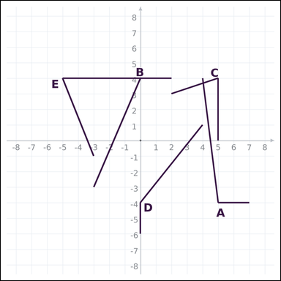 | 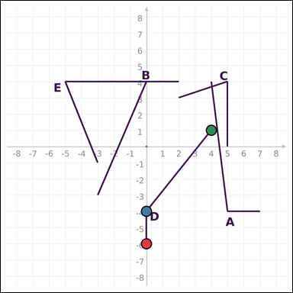 | task_geometry_comparison_angle | primitive_angle_set | The graph-paper image shows several labeled angles. Determine the answer: Which labeled angle has the greatest measure? Return a valid JSON object with keys "evidence" and "answer" in that order. Evidence: set "evidence" to an array of exactly three graph-paper points for the winning angle: the vertex and the two ray endpoints. Answer: set "answer" to the single-letter label of the correct angle. Example JSON: {"evidence":[[0,0],[4,0],[0,3]],"answer":"B"} | The graph-paper image shows several labeled angles. Determine the answer: Which labeled angle has the greatest measure? Return a valid JSON object with key "answer". Answer requirement: set "answer" to the single-letter label of the correct angle. Example JSON: {"answer":"B"} | {"evidence": [[0, -6], [0, -4], [4, 1]], "answer": "D"} | [[0, -6], [0, -4], [4, 1]] | option_letter | graph_point_set | 268813043902334 | geometry/task_geometry_comparison_angle/images/default/0016.png | geometry/task_geometry_comparison_angle/data/default/0016.json
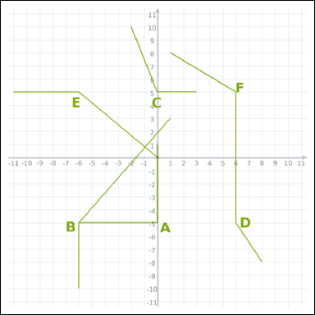 | 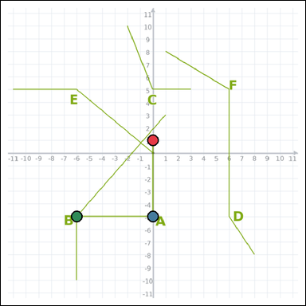 | task_geometry_comparison_angle | primitive_angle_set | Work from the graph-paper image showing several labeled angles. Answer this question: Which labeled angle has the smallest measure? Return a valid JSON object with keys "evidence" and "answer" in that order. Evidence field: set "evidence" to an array of exactly three graph-paper points for the winning angle: the vertex and the two ray endpoints. Answer field: set "answer" to the single-letter label of the correct angle. Example JSON: {"evidence":[[0,0],[4,0],[0,3]],"answer":"B"} | Work from the graph-paper image showing several labeled angles. Answer this question: Which labeled angle has the smallest measure? Return a valid JSON object with key "answer". Answer requirement: set "answer" to the single-letter label of the correct angle. Example JSON: {"answer":"B"} | {"evidence": [[0, 1], [0, -5], [-6, -5]], "answer": "A"} | [[0, 1], [0, -5], [-6, -5]] | option_letter | graph_point_set | 722046282176435 | geometry/task_geometry_comparison_angle/images/default/0000.png | geometry/task_geometry_comparison_angle/data/default/0000.json
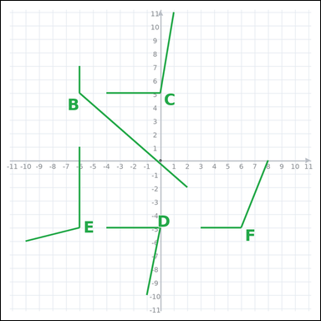 | 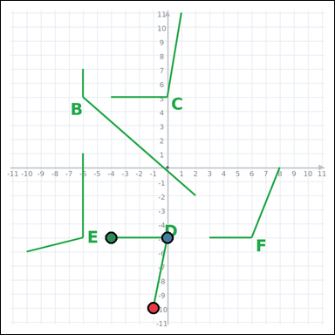 | task_geometry_comparison_angle | primitive_angle_set | Use the graph-paper diagram showing several labeled angles. Which labeled angle has the smallest measure? Return a valid JSON object with keys "evidence" and "answer" in that order. Evidence rule: set "evidence" to an array of exactly three graph-paper points for the winning angle: the vertex and the two ray endpoints. Answer rule: set "answer" to the single-letter label of the correct angle. Example JSON: {"evidence":[[0,0],[4,0],[0,3]],"answer":"B"} | Use the graph-paper diagram showing several labeled angles. Which labeled angle has the smallest measure? Return a valid JSON object with key "answer". Answer: set "answer" to the single-letter label of the correct angle. Example JSON: {"answer":"B"} | {"evidence": [[-1, -10], [0, -5], [-4, -5]], "answer": "D"} | [[-1, -10], [0, -5], [-4, -5]] | option_letter | graph_point_set | 749848750896351 | geometry/task_geometry_comparison_angle/images/default/0008.png | geometry/task_geometry_comparison_angle/data/default/0008.json
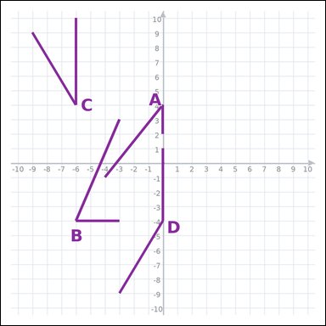 | 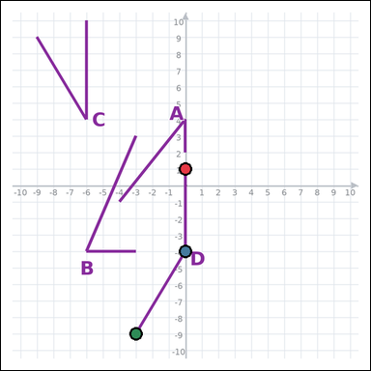 | task_geometry_comparison_angle | primitive_angle_set | Use the graph-paper diagram showing several labeled angles. Answer this question: Which labeled angle has the greatest measure? Return a valid JSON object with keys "evidence" and "answer" in that order. Evidence rule: set "evidence" to an array of exactly three graph-paper points for the winning angle: the vertex and the two ray endpoints. Answer rule: set "answer" to the single-letter label of the correct angle. Example JSON: {"evidence":[[0,0],[4,0],[0,3]],"answer":"B"} | Use the graph-paper diagram showing several labeled angles. Answer this question: Which labeled angle has the greatest measure? Return a valid JSON object with key "answer". Answer format: set "answer" to the single-letter label of the correct angle. Example JSON: {"answer":"B"} | {"evidence": [[0, 1], [0, -4], [-3, -9]], "answer": "D"} | [[0, 1], [0, -4], [-3, -9]] | option_letter | graph_point_set | 953399805240648 | geometry/task_geometry_comparison_angle/images/default/0020.png | geometry/task_geometry_comparison_angle/data/default/0020.json
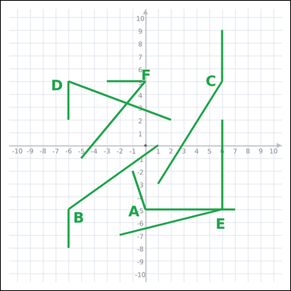 | 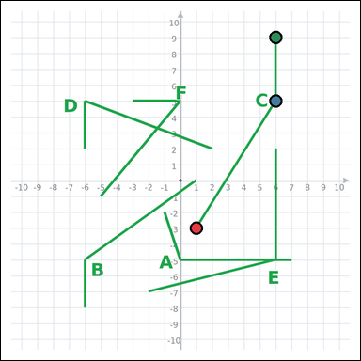 | task_geometry_comparison_angle | primitive_angle_set | Look at the graph-paper image showing several labeled angles. Task: Which labeled angle has the greatest measure? Return a valid JSON object with keys "evidence" and "answer" in that order. Evidence format: set "evidence" to an array of exactly three graph-paper points for the winning angle: the vertex and the two ray endpoints. Answer requirement: set "answer" to the single-letter label of the correct angle. Example JSON: {"evidence":[[0,0],[4,0],[0,3]],"answer":"B"} | Look at the graph-paper image showing several labeled angles. Task: Which labeled angle has the greatest measure? Return a valid JSON object with key "answer". Answer field: set "answer" to the single-letter label of the correct angle. Example JSON: {"answer":"B"} | {"evidence": [[1, -3], [6, 5], [6, 9]], "answer": "C"} | [[1, -3], [6, 5], [6, 9]] | option_letter | graph_point_set | 999360134818876 | geometry/task_geometry_comparison_angle/images/default/0003.png | geometry/task_geometry_comparison_angle/data/default/0003.json
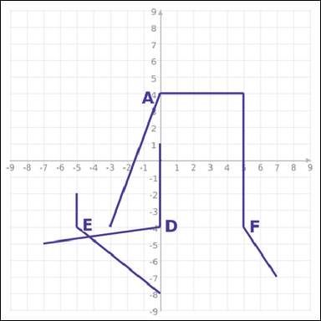 | 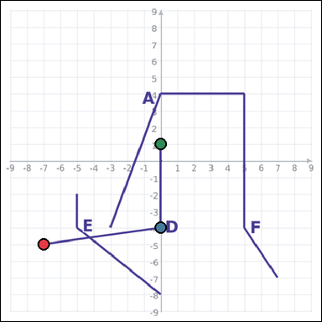 | task_geometry_comparison_angle | primitive_angle_set | Work from the graph-paper image showing several labeled angles. Question: Which labeled angle has the smallest measure? Return a valid JSON object with keys "evidence" and "answer" in that order. Evidence: set "evidence" to an array of exactly three graph-paper points for the winning angle: the vertex and the two ray endpoints. Answer: set "answer" to the single-letter label of the correct angle. Example JSON: {"evidence":[[0,0],[4,0],[0,3]],"answer":"B"} | Work from the graph-paper image showing several labeled angles. Question: Which labeled angle has the smallest measure? Return a valid JSON object with key "answer". Answer rule: set "answer" to the single-letter label of the correct angle. Example JSON: {"answer":"B"} | {"evidence": [[-7, -5], [0, -4], [0, 1]], "answer": "D"} | [[-7, -5], [0, -4], [0, 1]] | option_letter | graph_point_set | 1.0161996274E+15 | geometry/task_geometry_comparison_angle/images/default/0024.png | geometry/task_geometry_comparison_angle/data/default/0024.json
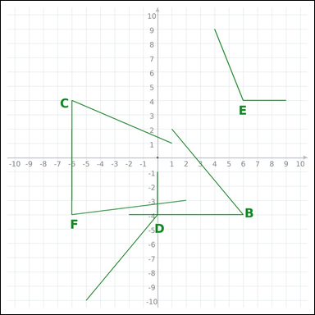 | 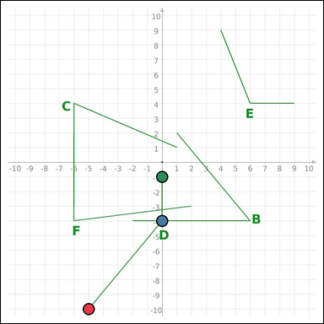 | task_geometry_comparison_angle | primitive_angle_set | Look at the graph-paper image showing several labeled angles. Answer this question: Which labeled angle has the greatest measure? Return a valid JSON object with keys "evidence" and "answer" in that order. Evidence requirement: set "evidence" to an array of exactly three graph-paper points for the winning angle: the vertex and the two ray endpoints. Answer format: set "answer" to the single-letter label of the correct angle. Example JSON: {"evidence":[[0,0],[4,0],[0,3]],"answer":"B"} | Look at the graph-paper image showing several labeled angles. Answer this question: Which labeled angle has the greatest measure? Return a valid JSON object with key "answer". Answer requirement: set "answer" to the single-letter label of the correct angle. Example JSON: {"answer":"B"} | {"evidence": [[-5, -10], [0, -4], [0, -1]], "answer": "D"} | [[-5, -10], [0, -4], [0, -1]] | option_letter | graph_point_set | 1.2106875443E+15 | geometry/task_geometry_comparison_angle/images/default/0014.png | geometry/task_geometry_comparison_angle/data/default/0014.json
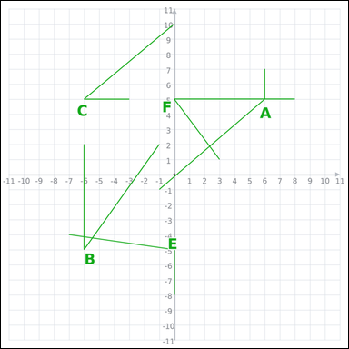 | 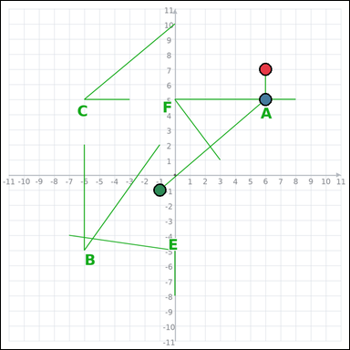 | task_geometry_comparison_angle | primitive_angle_set | Work from the graph-paper image showing several labeled angles. Question: Which labeled angle has the greatest measure? Return a valid JSON object with keys "evidence" and "answer" in that order. Evidence: set "evidence" to an array of exactly three graph-paper points for the winning angle: the vertex and the two ray endpoints. Answer: set "answer" to the single-letter label of the correct angle. Example JSON: {"evidence":[[0,0],[4,0],[0,3]],"answer":"B"} | Work from the graph-paper image showing several labeled angles. Question: Which labeled angle has the greatest measure? Return a valid JSON object with key "answer". Answer: set "answer" to the single-letter label of the correct angle. Example JSON: {"answer":"B"} | {"evidence": [[6, 7], [6, 5], [-1, -1]], "answer": "A"} | [[6, 7], [6, 5], [-1, -1]] | option_letter | graph_point_set | 1.2700960462E+15 | geometry/task_geometry_comparison_angle/images/default/0012.png | geometry/task_geometry_comparison_angle/data/default/0012.json
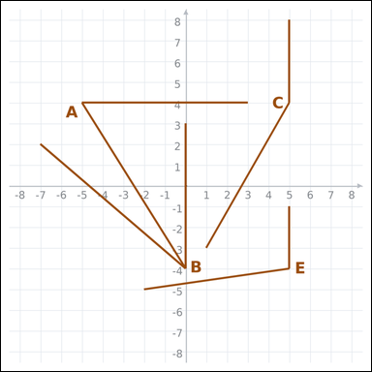 | 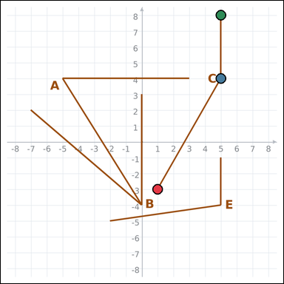 | task_geometry_comparison_angle | primitive_angle_set | Look at the graph-paper image showing several labeled angles. Task: Which labeled angle has the greatest measure? Return a valid JSON object with keys "evidence" and "answer" in that order. Evidence requirement: set "evidence" to an array of exactly three graph-paper points for the winning angle: the vertex and the two ray endpoints. Answer format: set "answer" to the single-letter label of the correct angle. Example JSON: {"evidence":[[0,0],[4,0],[0,3]],"answer":"B"} | Look at the graph-paper image showing several labeled angles. Task: Which labeled angle has the greatest measure? Return a valid JSON object with key "answer". Answer: set "answer" to the single-letter label of the correct angle. Example JSON: {"answer":"B"} | {"evidence": [[1, -3], [5, 4], [5, 8]], "answer": "C"} | [[1, -3], [5, 4], [5, 8]] | option_letter | graph_point_set | 1.7439070694E+15 | geometry/task_geometry_comparison_angle/images/default/0004.png | geometry/task_geometry_comparison_angle/data/default/0004.json
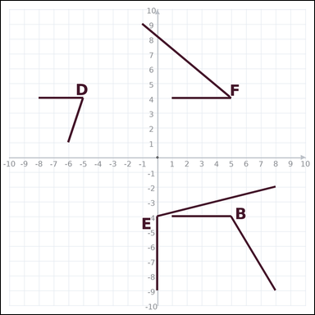 | 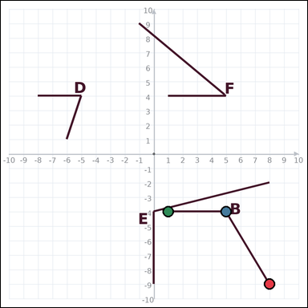 | task_geometry_comparison_angle | primitive_angle_set | You are given a graph-paper image showing several labeled angles. Determine the answer: Which labeled angle has the greatest measure? Return a valid JSON object with keys "evidence" and "answer" in that order. Evidence format: set "evidence" to an array of exactly three graph-paper points for the winning angle: the vertex and the two ray endpoints. Answer requirement: set "answer" to the single-letter label of the correct angle. Example JSON: {"evidence":[[0,0],[4,0],[0,3]],"answer":"B"} | You are given a graph-paper image showing several labeled angles. Determine the answer: Which labeled angle has the greatest measure? Return a valid JSON object with key "answer". Answer requirement: set "answer" to the single-letter label of the correct angle. Example JSON: {"answer":"B"} | {"evidence": [[8, -9], [5, -4], [1, -4]], "answer": "B"} | [[8, -9], [5, -4], [1, -4]] | option_letter | graph_point_set | 3.1700552221E+15 | geometry/task_geometry_comparison_angle/images/default/0022.png | geometry/task_geometry_comparison_angle/data/default/0022.json
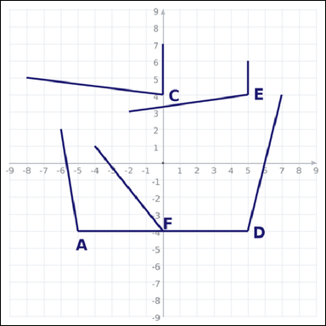 | 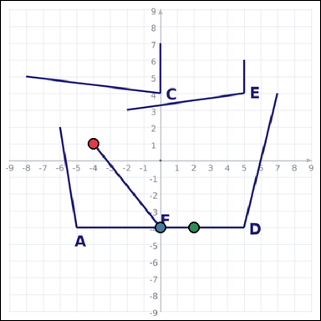 | task_geometry_comparison_angle | primitive_angle_set | You are given a graph-paper image showing several labeled angles. Determine the answer: Which labeled angle has the greatest measure? Return a valid JSON object with keys "evidence" and "answer" in that order. Evidence rule: set "evidence" to an array of exactly three graph-paper points for the winning angle: the vertex and the two ray endpoints. Answer rule: set "answer" to the single-letter label of the correct angle. Example JSON: {"evidence":[[0,0],[4,0],[0,3]],"answer":"B"} | You are given a graph-paper image showing several labeled angles. Determine the answer: Which labeled angle has the greatest measure? Return a valid JSON object with key "answer". Answer: set "answer" to the single-letter label of the correct angle. Example JSON: {"answer":"B"} | {"evidence": [[-4, 1], [0, -4], [2, -4]], "answer": "F"} | [[-4, 1], [0, -4], [2, -4]] | option_letter | graph_point_set | 3.1924223915E+15 | geometry/task_geometry_comparison_angle/images/default/0010.png | geometry/task_geometry_comparison_angle/data/default/0010.json
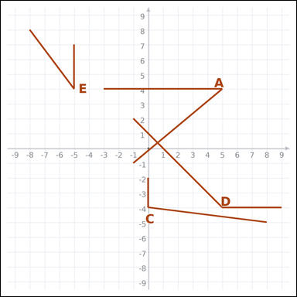 | 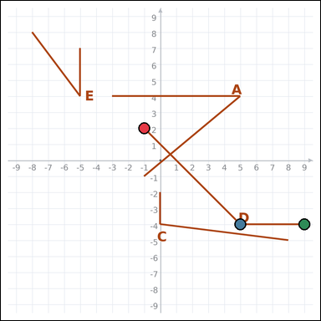 | task_geometry_comparison_angle | primitive_angle_set | The graph-paper image shows several labeled angles. Determine the answer: Which labeled angle has the greatest measure? Return a valid JSON object with keys "evidence" and "answer" in that order. Evidence format: set "evidence" to an array of exactly three graph-paper points for the winning angle: the vertex and the two ray endpoints. Answer requirement: set "answer" to the single-letter label of the correct angle. Example JSON: {"evidence":[[0,0],[4,0],[0,3]],"answer":"B"} | The graph-paper image shows several labeled angles. Determine the answer: Which labeled angle has the greatest measure? Return a valid JSON object with key "answer". Answer field: set "answer" to the single-letter label of the correct angle. Example JSON: {"answer":"B"} | {"evidence": [[-1, 2], [5, -4], [9, -4]], "answer": "D"} | [[-1, 2], [5, -4], [9, -4]] | option_letter | graph_point_set | 3.5795117745E+15 | geometry/task_geometry_comparison_angle/images/default/0023.png | geometry/task_geometry_comparison_angle/data/default/0023.json
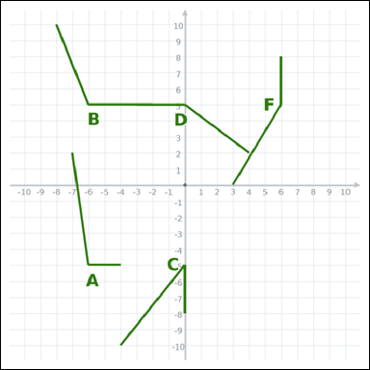 | 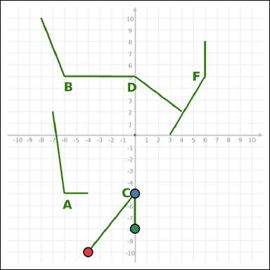 | task_geometry_comparison_angle | primitive_angle_set | You are given a graph-paper image showing several labeled angles. Question: Which labeled angle has the smallest measure? Return a valid JSON object with keys "evidence" and "answer" in that order. Evidence requirement: set "evidence" to an array of exactly three graph-paper points for the winning angle: the vertex and the two ray endpoints. Answer format: set "answer" to the single-letter label of the correct angle. Example JSON: {"evidence":[[0,0],[4,0],[0,3]],"answer":"B"} | You are given a graph-paper image showing several labeled angles. Question: Which labeled angle has the smallest measure? Return a valid JSON object with key "answer". Answer: set "answer" to the single-letter label of the correct angle. Example JSON: {"answer":"B"} | {"evidence": [[-4, -10], [0, -5], [0, -8]], "answer": "C"} | [[-4, -10], [0, -5], [0, -8]] | option_letter | graph_point_set | 3.6333382375E+15 | geometry/task_geometry_comparison_angle/images/default/0013.png | geometry/task_geometry_comparison_angle/data/default/0013.json
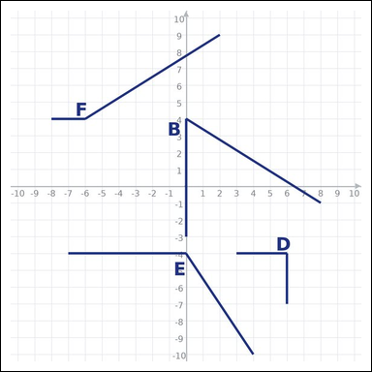 | 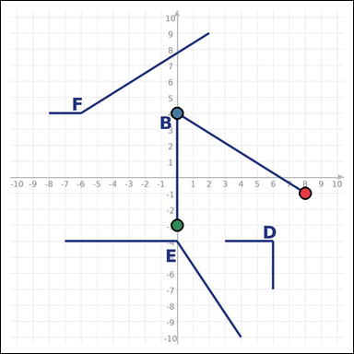 | task_geometry_comparison_angle | primitive_angle_set | The graph-paper image shows several labeled angles. Task: Which labeled angle has the smallest measure? Return a valid JSON object with keys "evidence" and "answer" in that order. Evidence field: set "evidence" to an array of exactly three graph-paper points for the winning angle: the vertex and the two ray endpoints. Answer field: set "answer" to the single-letter label of the correct angle. Example JSON: {"evidence":[[0,0],[4,0],[0,3]],"answer":"B"} | The graph-paper image shows several labeled angles. Task: Which labeled angle has the smallest measure? Return a valid JSON object with key "answer". Answer rule: set "answer" to the single-letter label of the correct angle. Example JSON: {"answer":"B"} | {"evidence": [[8, -1], [0, 4], [0, -3]], "answer": "B"} | [[8, -1], [0, 4], [0, -3]] | option_letter | graph_point_set | 3.8634032735E+15 | geometry/task_geometry_comparison_angle/images/default/0001.png | geometry/task_geometry_comparison_angle/data/default/0001.json
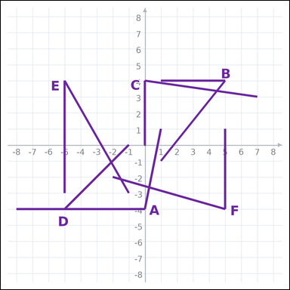 | 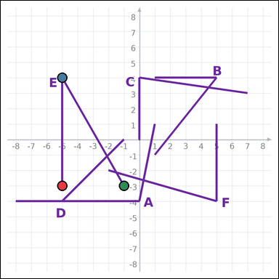 | task_geometry_comparison_angle | primitive_angle_set | Use the graph-paper diagram showing several labeled angles. Question: Which labeled angle has the smallest measure? Return a valid JSON object with keys "evidence" and "answer" in that order. Evidence rule: set "evidence" to an array of exactly three graph-paper points for the winning angle: the vertex and the two ray endpoints. Answer rule: set "answer" to the single-letter label of the correct angle. Example JSON: {"evidence":[[0,0],[4,0],[0,3]],"answer":"B"} | Use the graph-paper diagram showing several labeled angles. Question: Which labeled angle has the smallest measure? Return a valid JSON object with key "answer". Answer requirement: set "answer" to the single-letter label of the correct angle. Example JSON: {"answer":"B"} | {"evidence": [[-5, -3], [-5, 4], [-1, -3]], "answer": "E"} | [[-5, -3], [-5, 4], [-1, -3]] | option_letter | graph_point_set | 4.2503377823E+15 | geometry/task_geometry_comparison_angle/images/default/0017.png | geometry/task_geometry_comparison_angle/data/default/0017.json
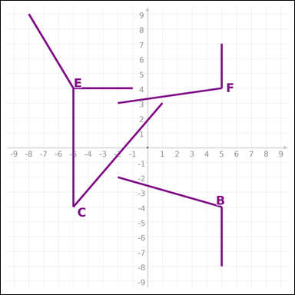 | 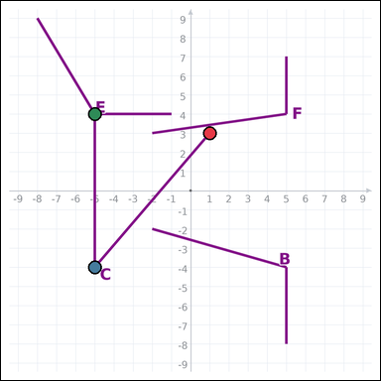 | task_geometry_comparison_angle | primitive_angle_set | Work from the graph-paper image showing several labeled angles. Task: Which labeled angle has the smallest measure? Return a valid JSON object with keys "evidence" and "answer" in that order. Evidence rule: set "evidence" to an array of exactly three graph-paper points for the winning angle: the vertex and the two ray endpoints. Answer rule: set "answer" to the single-letter label of the correct angle. Example JSON: {"evidence":[[0,0],[4,0],[0,3]],"answer":"B"} | Work from the graph-paper image showing several labeled angles. Task: Which labeled angle has the smallest measure? Return a valid JSON object with key "answer". Answer rule: set "answer" to the single-letter label of the correct angle. Example JSON: {"answer":"B"} | {"evidence": [[1, 3], [-5, -4], [-5, 4]], "answer": "C"} | [[1, 3], [-5, -4], [-5, 4]] | option_letter | graph_point_set | 4.2925048267E+15 | geometry/task_geometry_comparison_angle/images/default/0006.png | geometry/task_geometry_comparison_angle/data/default/0006.json
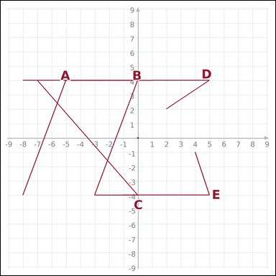 | 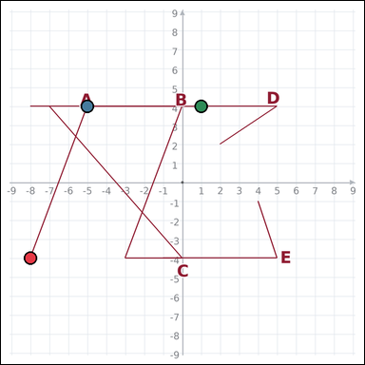 | task_geometry_comparison_angle | primitive_angle_set | Work from the graph-paper image showing several labeled angles. Answer this question: Which labeled angle has the greatest measure? Return a valid JSON object with keys "evidence" and "answer" in that order. Evidence requirement: set "evidence" to an array of exactly three graph-paper points for the winning angle: the vertex and the two ray endpoints. Answer format: set "answer" to the single-letter label of the correct angle. Example JSON: {"evidence":[[0,0],[4,0],[0,3]],"answer":"B"} | Work from the graph-paper image showing several labeled angles. Answer this question: Which labeled angle has the greatest measure? Return a valid JSON object with key "answer". Answer field: set "answer" to the single-letter label of the correct angle. Example JSON: {"answer":"B"} | {"evidence": [[-8, -4], [-5, 4], [1, 4]], "answer": "A"} | [[-8, -4], [-5, 4], [1, 4]] | option_letter | graph_point_set | 4.3781050187E+15 | geometry/task_geometry_comparison_angle/images/default/0007.png | geometry/task_geometry_comparison_angle/data/default/0007.json
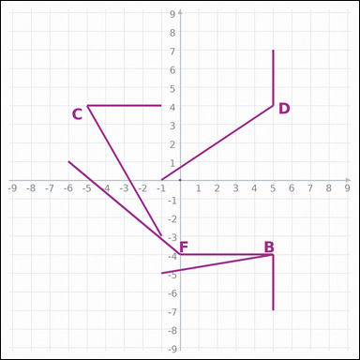 | 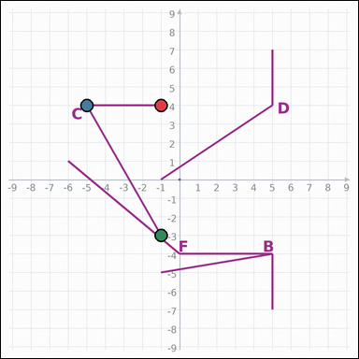 | task_geometry_comparison_angle | primitive_angle_set | The graph-paper image shows several labeled angles. Determine the answer: Which labeled angle has the smallest measure? Return a valid JSON object with keys "evidence" and "answer" in that order. Evidence: set "evidence" to an array of exactly three graph-paper points for the winning angle: the vertex and the two ray endpoints. Answer: set "answer" to the single-letter label of the correct angle. Example JSON: {"evidence":[[0,0],[4,0],[0,3]],"answer":"B"} | The graph-paper image shows several labeled angles. Determine the answer: Which labeled angle has the smallest measure? Return a valid JSON object with key "answer". Answer field: set "answer" to the single-letter label of the correct angle. Example JSON: {"answer":"B"} | {"evidence": [[-1, 4], [-5, 4], [-1, -3]], "answer": "C"} | [[-1, 4], [-5, 4], [-1, -3]] | option_letter | graph_point_set | 4.9430648695E+15 | geometry/task_geometry_comparison_angle/images/default/0019.png | geometry/task_geometry_comparison_angle/data/default/0019.json
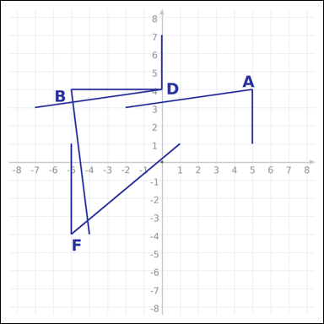 | 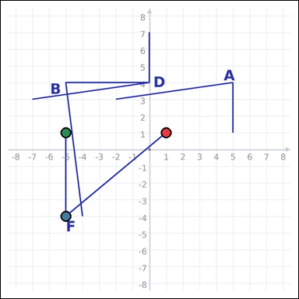 | task_geometry_comparison_angle | primitive_angle_set | You are given a graph-paper image showing several labeled angles. Answer this question: Which labeled angle has the smallest measure? Return a valid JSON object with keys "evidence" and "answer" in that order. Evidence field: set "evidence" to an array of exactly three graph-paper points for the winning angle: the vertex and the two ray endpoints. Answer field: set "answer" to the single-letter label of the correct angle. Example JSON: {"evidence":[[0,0],[4,0],[0,3]],"answer":"B"} | You are given a graph-paper image showing several labeled angles. Answer this question: Which labeled angle has the smallest measure? Return a valid JSON object with key "answer". Answer: set "answer" to the single-letter label of the correct angle. Example JSON: {"answer":"B"} | {"evidence": [[1, 1], [-5, -4], [-5, 1]], "answer": "F"} | [[1, 1], [-5, -4], [-5, 1]] | option_letter | graph_point_set | 5.0646857342E+15 | geometry/task_geometry_comparison_angle/images/default/0005.png | geometry/task_geometry_comparison_angle/data/default/0005.json
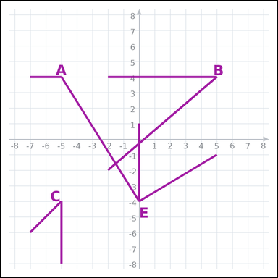 | 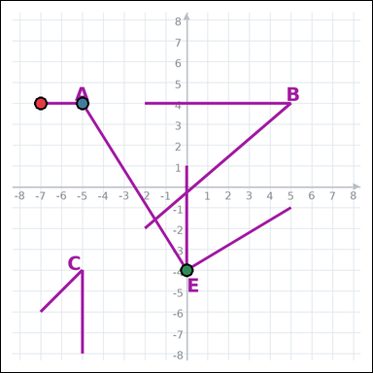 | task_geometry_comparison_angle | primitive_angle_set | You are given a graph-paper image showing several labeled angles. Answer this question: Which labeled angle has the greatest measure? Return a valid JSON object with keys "evidence" and "answer" in that order. Evidence field: set "evidence" to an array of exactly three graph-paper points for the winning angle: the vertex and the two ray endpoints. Answer field: set "answer" to the single-letter label of the correct angle. Example JSON: {"evidence":[[0,0],[4,0],[0,3]],"answer":"B"} | You are given a graph-paper image showing several labeled angles. Answer this question: Which labeled angle has the greatest measure? Return a valid JSON object with key "answer". Answer format: set "answer" to the single-letter label of the correct angle. Example JSON: {"answer":"B"} | {"evidence": [[-7, 4], [-5, 4], [0, -4]], "answer": "A"} | [[-7, 4], [-5, 4], [0, -4]] | option_letter | graph_point_set | 5.5441538257E+15 | geometry/task_geometry_comparison_angle/images/default/0018.png | geometry/task_geometry_comparison_angle/data/default/0018.json
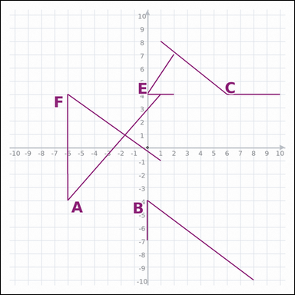 | 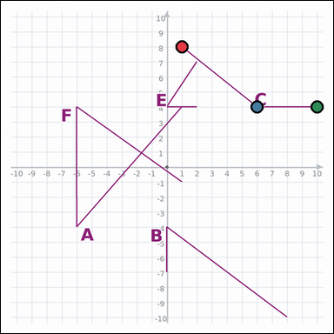 | task_geometry_comparison_angle | primitive_angle_set | You are given a graph-paper image showing several labeled angles. Which labeled angle has the greatest measure? Return a valid JSON object with keys "evidence" and "answer" in that order. Evidence format: set "evidence" to an array of exactly three graph-paper points for the winning angle: the vertex and the two ray endpoints. Answer requirement: set "answer" to the single-letter label of the correct angle. Example JSON: {"evidence":[[0,0],[4,0],[0,3]],"answer":"B"} | You are given a graph-paper image showing several labeled angles. Which labeled angle has the greatest measure? Return a valid JSON object with key "answer". Answer rule: set "answer" to the single-letter label of the correct angle. Example JSON: {"answer":"B"} | {"evidence": [[1, 8], [6, 4], [10, 4]], "answer": "C"} | [[1, 8], [6, 4], [10, 4]] | option_letter | graph_point_set | 5.8303693271E+15 | geometry/task_geometry_comparison_angle/images/default/0021.png | geometry/task_geometry_comparison_angle/data/default/0021.json
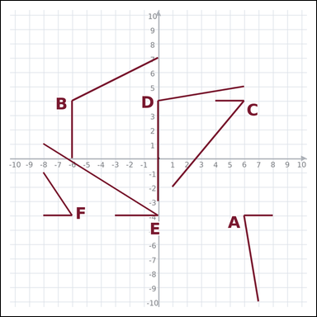 | 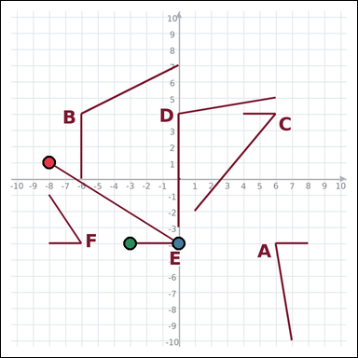 | task_geometry_comparison_angle | primitive_angle_set | Look at the graph-paper image showing several labeled angles. Answer this question: Which labeled angle has the smallest measure? Return a valid JSON object with keys "evidence" and "answer" in that order. Evidence format: set "evidence" to an array of exactly three graph-paper points for the winning angle: the vertex and the two ray endpoints. Answer requirement: set "answer" to the single-letter label of the correct angle. Example JSON: {"evidence":[[0,0],[4,0],[0,3]],"answer":"B"} | Look at the graph-paper image showing several labeled angles. Answer this question: Which labeled angle has the smallest measure? Return a valid JSON object with key "answer". Answer: set "answer" to the single-letter label of the correct angle. Example JSON: {"answer":"B"} | {"evidence": [[-8, 1], [0, -4], [-3, -4]], "answer": "E"} | [[-8, 1], [0, -4], [-3, -4]] | option_letter | graph_point_set | 5.8326292221E+15 | geometry/task_geometry_comparison_angle/images/default/0011.png | geometry/task_geometry_comparison_angle/data/default/0011.json
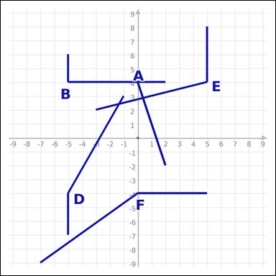 | 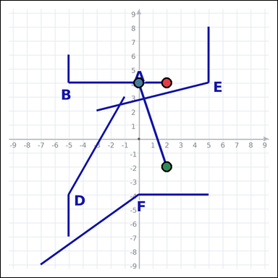 | task_geometry_comparison_angle | primitive_angle_set | The graph-paper image shows several labeled angles. Which labeled angle has the smallest measure? Return a valid JSON object with keys "evidence" and "answer" in that order. Evidence rule: set "evidence" to an array of exactly three graph-paper points for the winning angle: the vertex and the two ray endpoints. Answer rule: set "answer" to the single-letter label of the correct angle. Example JSON: {"evidence":[[0,0],[4,0],[0,3]],"answer":"B"} | The graph-paper image shows several labeled angles. Which labeled angle has the smallest measure? Return a valid JSON object with key "answer". Answer requirement: set "answer" to the single-letter label of the correct angle. Example JSON: {"answer":"B"} | {"evidence": [[2, 4], [0, 4], [2, -2]], "answer": "A"} | [[2, 4], [0, 4], [2, -2]] | option_letter | graph_point_set | 6.6635916769E+15 | geometry/task_geometry_comparison_angle/images/default/0015.png | geometry/task_geometry_comparison_angle/data/default/0015.json
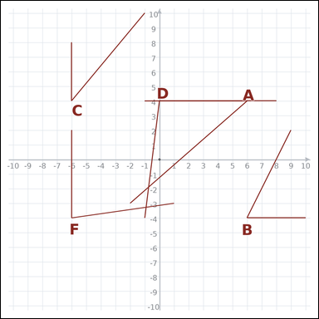 | 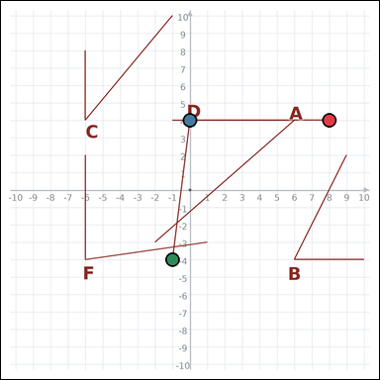 | task_geometry_comparison_angle | primitive_angle_set | Use the graph-paper diagram showing several labeled angles. Which labeled angle has the greatest measure? Return a valid JSON object with keys "evidence" and "answer" in that order. Evidence format: set "evidence" to an array of exactly three graph-paper points for the winning angle: the vertex and the two ray endpoints. Answer requirement: set "answer" to the single-letter label of the correct angle. Example JSON: {"evidence":[[0,0],[4,0],[0,3]],"answer":"B"} | Use the graph-paper diagram showing several labeled angles. Which labeled angle has the greatest measure? Return a valid JSON object with key "answer". Answer field: set "answer" to the single-letter label of the correct angle. Example JSON: {"answer":"B"} | {"evidence": [[8, 4], [0, 4], [-1, -4]], "answer": "D"} | [[8, 4], [0, 4], [-1, -4]] | option_letter | graph_point_set | 7.068757316E+15 | geometry/task_geometry_comparison_angle/images/default/0002.png | geometry/task_geometry_comparison_angle/data/default/0002.json
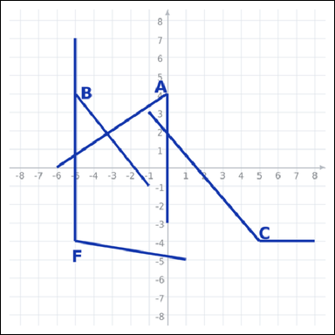 | 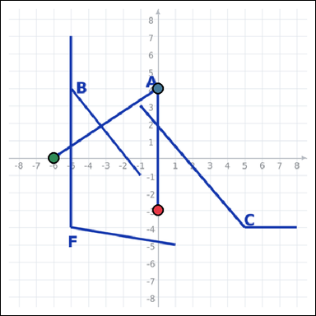 | task_geometry_comparison_angle | primitive_angle_set | Use the graph-paper diagram showing several labeled angles. Question: Which labeled angle has the smallest measure? Return a valid JSON object with keys "evidence" and "answer" in that order. Evidence field: set "evidence" to an array of exactly three graph-paper points for the winning angle: the vertex and the two ray endpoints. Answer field: set "answer" to the single-letter label of the correct angle. Example JSON: {"evidence":[[0,0],[4,0],[0,3]],"answer":"B"} | Use the graph-paper diagram showing several labeled angles. Question: Which labeled angle has the smallest measure? Return a valid JSON object with key "answer". Answer field: set "answer" to the single-letter label of the correct angle. Example JSON: {"answer":"B"} | {"evidence": [[0, -3], [0, 4], [-6, 0]], "answer": "A"} | [[0, -3], [0, 4], [-6, 0]] | option_letter | graph_point_set | 7.5213388158E+15 | geometry/task_geometry_comparison_angle/images/default/0009.png | geometry/task_geometry_comparison_angle/data/default/0009.json

