rectangle_set
image | evidence_image | task | task_variant | prompt | prompt_answer_only | answer | answer_evidence | answer_type | evidence_type | instance_seed | image_path | data_path
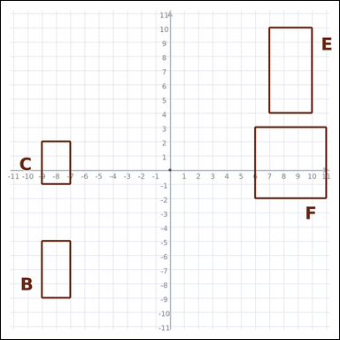 | 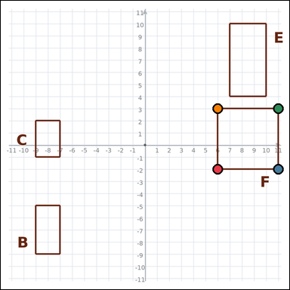 | task_geometry_comparison_area | rectangle_set | Work from the graph-paper image showing several labeled rectangles. Answer this question: Which labeled rectangle has the greatest area? Return a valid JSON object with keys "evidence" and "answer" in that order. Evidence field: set "evidence" to an array of exactly four graph-paper points for the winning rectangle vertices. Answer field: set "answer" to the single-letter label of the correct rectangle. Example JSON: {"evidence":[[0,0],[4,0],[4,2],[0,2]],"answer":"B"} | Work from the graph-paper image showing several labeled rectangles. Answer this question: Which labeled rectangle has the greatest area? Return a valid JSON object with key "answer". Answer rule: set "answer" to the single-letter label of the correct rectangle. Example JSON: {"answer":"B"} | {"evidence": [[6, -2], [11, -2], [11, 3], [6, 3]], "answer": "F"} | [[6, -2], [11, -2], [11, 3], [6, 3]] | option_letter | graph_point_set | 646153780378128 | geometry/task_geometry_comparison_area/images/default/0001.png | geometry/task_geometry_comparison_area/data/default/0001.json
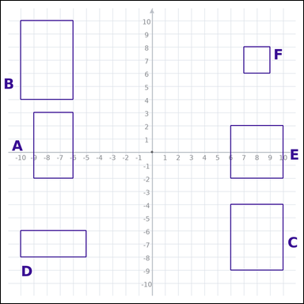 | 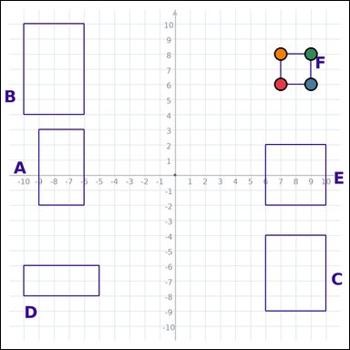 | task_geometry_comparison_area | rectangle_set | Use the graph-paper diagram showing several labeled rectangles. Determine the answer: Which labeled rectangle has the smallest area? Return a valid JSON object with keys "evidence" and "answer" in that order. Evidence requirement: set "evidence" to an array of exactly four graph-paper points for the winning rectangle vertices. Answer format: set "answer" to the single-letter label of the correct rectangle. Example JSON: {"evidence":[[0,0],[4,0],[4,2],[0,2]],"answer":"B"} | Use the graph-paper diagram showing several labeled rectangles. Determine the answer: Which labeled rectangle has the smallest area? Return a valid JSON object with key "answer". Answer: set "answer" to the single-letter label of the correct rectangle. Example JSON: {"answer":"B"} | {"evidence": [[7, 6], [9, 6], [9, 8], [7, 8]], "answer": "F"} | [[7, 6], [9, 6], [9, 8], [7, 8]] | option_letter | graph_point_set | 705988352757443 | geometry/task_geometry_comparison_area/images/default/0024.png | geometry/task_geometry_comparison_area/data/default/0024.json
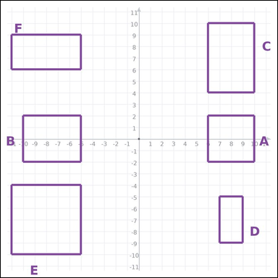 | 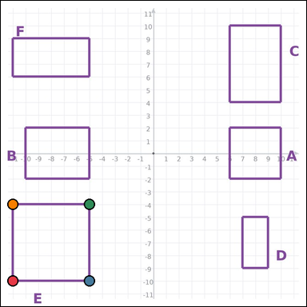 | task_geometry_comparison_area | rectangle_set | Use the graph-paper diagram showing several labeled rectangles. Question: Which labeled rectangle has the greatest area? Return a valid JSON object with keys "evidence" and "answer" in that order. Evidence: set "evidence" to an array of exactly four graph-paper points for the winning rectangle vertices. Answer: set "answer" to the single-letter label of the correct rectangle. Example JSON: {"evidence":[[0,0],[4,0],[4,2],[0,2]],"answer":"B"} | Use the graph-paper diagram showing several labeled rectangles. Question: Which labeled rectangle has the greatest area? Return a valid JSON object with key "answer". Answer format: set "answer" to the single-letter label of the correct rectangle. Example JSON: {"answer":"B"} | {"evidence": [[-11, -10], [-5, -10], [-5, -4], [-11, -4]], "answer": "E"} | [[-11, -10], [-5, -10], [-5, -4], [-11, -4]] | option_letter | graph_point_set | 1.8791203505E+15 | geometry/task_geometry_comparison_area/images/default/0012.png | geometry/task_geometry_comparison_area/data/default/0012.json
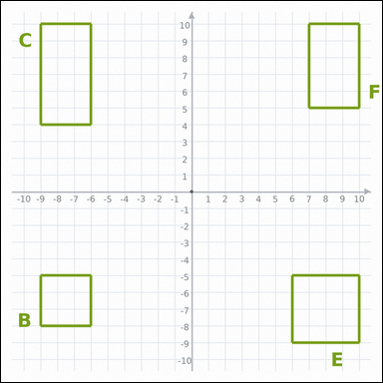 | 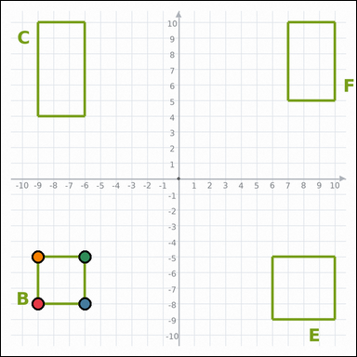 | task_geometry_comparison_area | rectangle_set | Work from the graph-paper image showing several labeled rectangles. Determine the answer: Which labeled rectangle has the smallest area? Return a valid JSON object with keys "evidence" and "answer" in that order. Evidence format: set "evidence" to an array of exactly four graph-paper points for the winning rectangle vertices. Answer requirement: set "answer" to the single-letter label of the correct rectangle. Example JSON: {"evidence":[[0,0],[4,0],[4,2],[0,2]],"answer":"B"} | Work from the graph-paper image showing several labeled rectangles. Determine the answer: Which labeled rectangle has the smallest area? Return a valid JSON object with key "answer". Answer requirement: set "answer" to the single-letter label of the correct rectangle. Example JSON: {"answer":"B"} | {"evidence": [[-9, -8], [-6, -8], [-6, -5], [-9, -5]], "answer": "B"} | [[-9, -8], [-6, -8], [-6, -5], [-9, -5]] | option_letter | graph_point_set | 2.066977076E+15 | geometry/task_geometry_comparison_area/images/default/0015.png | geometry/task_geometry_comparison_area/data/default/0015.json
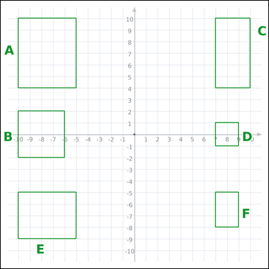 | 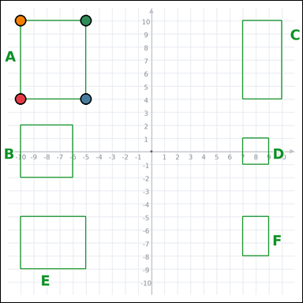 | task_geometry_comparison_area | rectangle_set | Look at the graph-paper image showing several labeled rectangles. Question: Which labeled rectangle has the greatest area? Return a valid JSON object with keys "evidence" and "answer" in that order. Evidence: set "evidence" to an array of exactly four graph-paper points for the winning rectangle vertices. Answer: set "answer" to the single-letter label of the correct rectangle. Example JSON: {"evidence":[[0,0],[4,0],[4,2],[0,2]],"answer":"B"} | Look at the graph-paper image showing several labeled rectangles. Question: Which labeled rectangle has the greatest area? Return a valid JSON object with key "answer". Answer requirement: set "answer" to the single-letter label of the correct rectangle. Example JSON: {"answer":"B"} | {"evidence": [[-10, 4], [-5, 4], [-5, 10], [-10, 10]], "answer": "A"} | [[-10, 4], [-5, 4], [-5, 10], [-10, 10]] | option_letter | graph_point_set | 2.6728679623E+15 | geometry/task_geometry_comparison_area/images/default/0020.png | geometry/task_geometry_comparison_area/data/default/0020.json
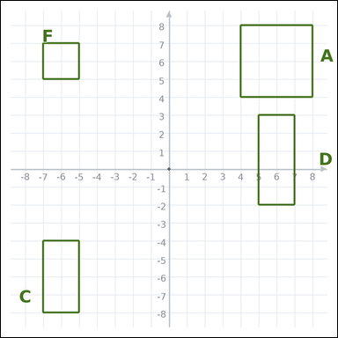 | 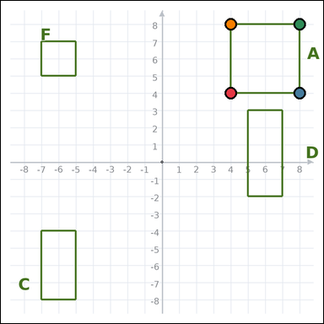 | task_geometry_comparison_area | rectangle_set | Use the graph-paper diagram showing several labeled rectangles. Determine the answer: Which labeled rectangle has the greatest area? Return a valid JSON object with keys "evidence" and "answer" in that order. Evidence: set "evidence" to an array of exactly four graph-paper points for the winning rectangle vertices. Answer: set "answer" to the single-letter label of the correct rectangle. Example JSON: {"evidence":[[0,0],[4,0],[4,2],[0,2]],"answer":"B"} | Use the graph-paper diagram showing several labeled rectangles. Determine the answer: Which labeled rectangle has the greatest area? Return a valid JSON object with key "answer". Answer: set "answer" to the single-letter label of the correct rectangle. Example JSON: {"answer":"B"} | {"evidence": [[4, 4], [8, 4], [8, 8], [4, 8]], "answer": "A"} | [[4, 4], [8, 4], [8, 8], [4, 8]] | option_letter | graph_point_set | 2.7378015846E+15 | geometry/task_geometry_comparison_area/images/default/0021.png | geometry/task_geometry_comparison_area/data/default/0021.json
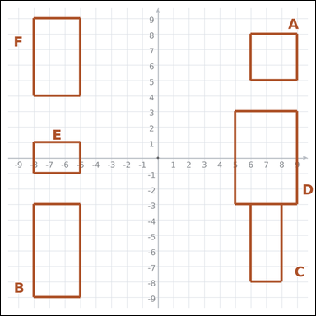 | 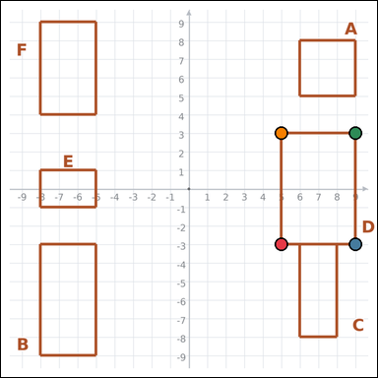 | task_geometry_comparison_area | rectangle_set | Use the graph-paper diagram showing several labeled rectangles. Determine the answer: Which labeled rectangle has the greatest area? Return a valid JSON object with keys "evidence" and "answer" in that order. Evidence field: set "evidence" to an array of exactly four graph-paper points for the winning rectangle vertices. Answer field: set "answer" to the single-letter label of the correct rectangle. Example JSON: {"evidence":[[0,0],[4,0],[4,2],[0,2]],"answer":"B"} | Use the graph-paper diagram showing several labeled rectangles. Determine the answer: Which labeled rectangle has the greatest area? Return a valid JSON object with key "answer". Answer requirement: set "answer" to the single-letter label of the correct rectangle. Example JSON: {"answer":"B"} | {"evidence": [[5, -3], [9, -3], [9, 3], [5, 3]], "answer": "D"} | [[5, -3], [9, -3], [9, 3], [5, 3]] | option_letter | graph_point_set | 3.2289670758E+15 | geometry/task_geometry_comparison_area/images/default/0009.png | geometry/task_geometry_comparison_area/data/default/0009.json
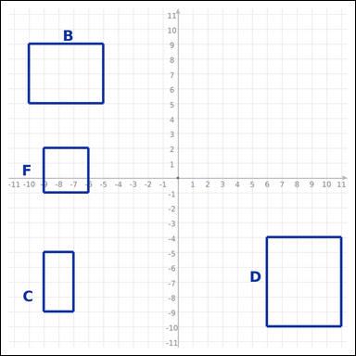 | 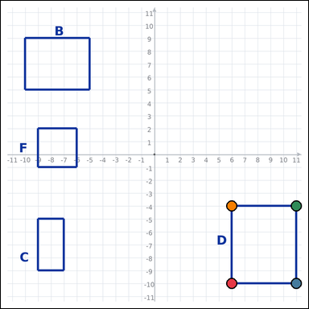 | task_geometry_comparison_area | rectangle_set | Use the graph-paper diagram showing several labeled rectangles. Question: Which labeled rectangle has the greatest area? Return a valid JSON object with keys "evidence" and "answer" in that order. Evidence: set "evidence" to an array of exactly four graph-paper points for the winning rectangle vertices. Answer: set "answer" to the single-letter label of the correct rectangle. Example JSON: {"evidence":[[0,0],[4,0],[4,2],[0,2]],"answer":"B"} | Use the graph-paper diagram showing several labeled rectangles. Question: Which labeled rectangle has the greatest area? Return a valid JSON object with key "answer". Answer rule: set "answer" to the single-letter label of the correct rectangle. Example JSON: {"answer":"B"} | {"evidence": [[6, -10], [11, -10], [11, -4], [6, -4]], "answer": "D"} | [[6, -10], [11, -10], [11, -4], [6, -4]] | option_letter | graph_point_set | 3.3300049046E+15 | geometry/task_geometry_comparison_area/images/default/0010.png | geometry/task_geometry_comparison_area/data/default/0010.json
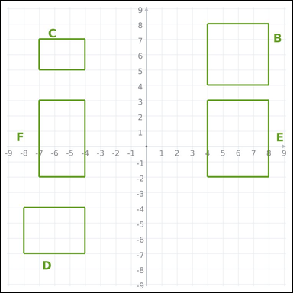 | 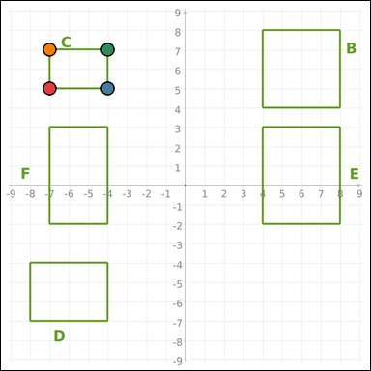 | task_geometry_comparison_area | rectangle_set | The graph-paper image shows several labeled rectangles. Determine the answer: Which labeled rectangle has the smallest area? Return a valid JSON object with keys "evidence" and "answer" in that order. Evidence requirement: set "evidence" to an array of exactly four graph-paper points for the winning rectangle vertices. Answer format: set "answer" to the single-letter label of the correct rectangle. Example JSON: {"evidence":[[0,0],[4,0],[4,2],[0,2]],"answer":"B"} | The graph-paper image shows several labeled rectangles. Determine the answer: Which labeled rectangle has the smallest area? Return a valid JSON object with key "answer". Answer field: set "answer" to the single-letter label of the correct rectangle. Example JSON: {"answer":"B"} | {"evidence": [[-7, 5], [-4, 5], [-4, 7], [-7, 7]], "answer": "C"} | [[-7, 5], [-4, 5], [-4, 7], [-7, 7]] | option_letter | graph_point_set | 3.3625372328E+15 | geometry/task_geometry_comparison_area/images/default/0022.png | geometry/task_geometry_comparison_area/data/default/0022.json
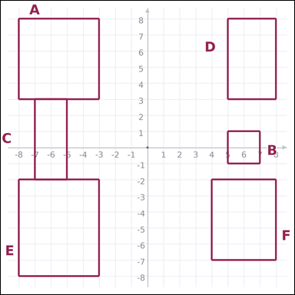 | 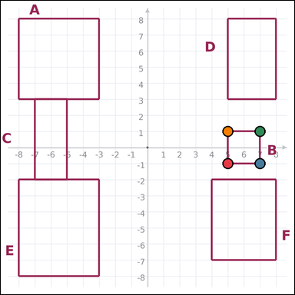 | task_geometry_comparison_area | rectangle_set | Use the graph-paper diagram showing several labeled rectangles. Question: Which labeled rectangle has the smallest area? Return a valid JSON object with keys "evidence" and "answer" in that order. Evidence: set "evidence" to an array of exactly four graph-paper points for the winning rectangle vertices. Answer: set "answer" to the single-letter label of the correct rectangle. Example JSON: {"evidence":[[0,0],[4,0],[4,2],[0,2]],"answer":"B"} | Use the graph-paper diagram showing several labeled rectangles. Question: Which labeled rectangle has the smallest area? Return a valid JSON object with key "answer". Answer format: set "answer" to the single-letter label of the correct rectangle. Example JSON: {"answer":"B"} | {"evidence": [[5, -1], [7, -1], [7, 1], [5, 1]], "answer": "B"} | [[5, -1], [7, -1], [7, 1], [5, 1]] | option_letter | graph_point_set | 3.4995592757E+15 | geometry/task_geometry_comparison_area/images/default/0013.png | geometry/task_geometry_comparison_area/data/default/0013.json
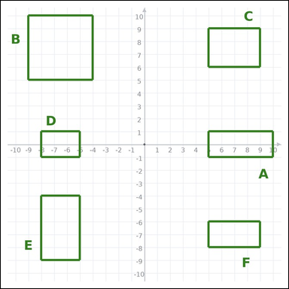 | 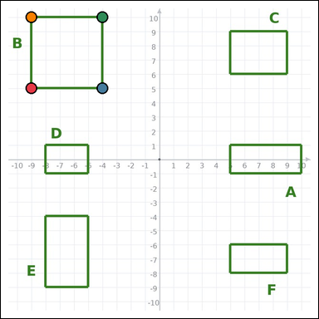 | task_geometry_comparison_area | rectangle_set | Work from the graph-paper image showing several labeled rectangles. Answer this question: Which labeled rectangle has the greatest area? Return a valid JSON object with keys "evidence" and "answer" in that order. Evidence format: set "evidence" to an array of exactly four graph-paper points for the winning rectangle vertices. Answer requirement: set "answer" to the single-letter label of the correct rectangle. Example JSON: {"evidence":[[0,0],[4,0],[4,2],[0,2]],"answer":"B"} | Work from the graph-paper image showing several labeled rectangles. Answer this question: Which labeled rectangle has the greatest area? Return a valid JSON object with key "answer". Answer format: set "answer" to the single-letter label of the correct rectangle. Example JSON: {"answer":"B"} | {"evidence": [[-9, 5], [-4, 5], [-4, 10], [-9, 10]], "answer": "B"} | [[-9, 5], [-4, 5], [-4, 10], [-9, 10]] | option_letter | graph_point_set | 4.1823969983E+15 | geometry/task_geometry_comparison_area/images/default/0023.png | geometry/task_geometry_comparison_area/data/default/0023.json
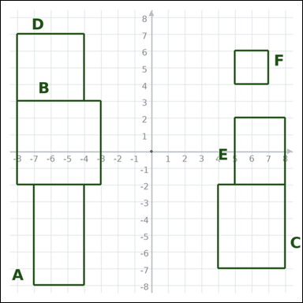 | 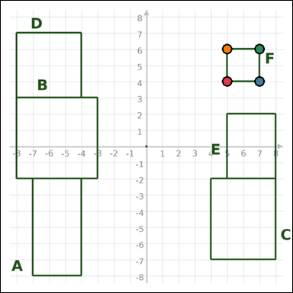 | task_geometry_comparison_area | rectangle_set | Use the graph-paper diagram showing several labeled rectangles. Which labeled rectangle has the smallest area? Return a valid JSON object with keys "evidence" and "answer" in that order. Evidence field: set "evidence" to an array of exactly four graph-paper points for the winning rectangle vertices. Answer field: set "answer" to the single-letter label of the correct rectangle. Example JSON: {"evidence":[[0,0],[4,0],[4,2],[0,2]],"answer":"B"} | Use the graph-paper diagram showing several labeled rectangles. Which labeled rectangle has the smallest area? Return a valid JSON object with key "answer". Answer: set "answer" to the single-letter label of the correct rectangle. Example JSON: {"answer":"B"} | {"evidence": [[5, 4], [7, 4], [7, 6], [5, 6]], "answer": "F"} | [[5, 4], [7, 4], [7, 6], [5, 6]] | option_letter | graph_point_set | 4.199631886E+15 | geometry/task_geometry_comparison_area/images/default/0014.png | geometry/task_geometry_comparison_area/data/default/0014.json
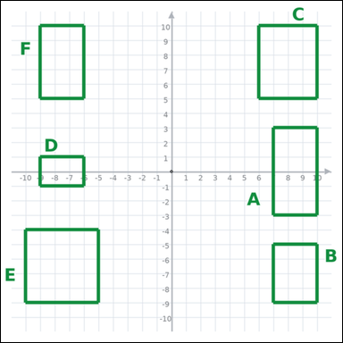 | 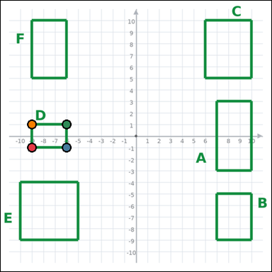 | task_geometry_comparison_area | rectangle_set | Use the graph-paper diagram showing several labeled rectangles. Task: Which labeled rectangle has the smallest area? Return a valid JSON object with keys "evidence" and "answer" in that order. Evidence format: set "evidence" to an array of exactly four graph-paper points for the winning rectangle vertices. Answer requirement: set "answer" to the single-letter label of the correct rectangle. Example JSON: {"evidence":[[0,0],[4,0],[4,2],[0,2]],"answer":"B"} | Use the graph-paper diagram showing several labeled rectangles. Task: Which labeled rectangle has the smallest area? Return a valid JSON object with key "answer". Answer format: set "answer" to the single-letter label of the correct rectangle. Example JSON: {"answer":"B"} | {"evidence": [[-9, -1], [-6, -1], [-6, 1], [-9, 1]], "answer": "D"} | [[-9, -1], [-6, -1], [-6, 1], [-9, 1]] | option_letter | graph_point_set | 4.2510678942E+15 | geometry/task_geometry_comparison_area/images/default/0003.png | geometry/task_geometry_comparison_area/data/default/0003.json
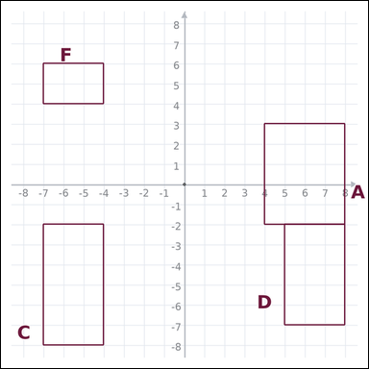 | 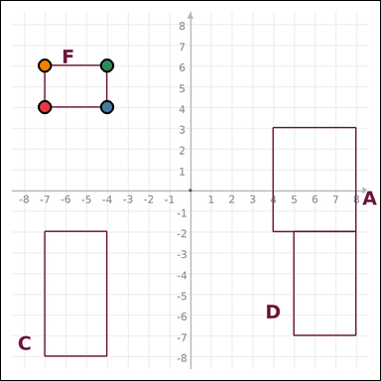 | task_geometry_comparison_area | rectangle_set | Look at the graph-paper image showing several labeled rectangles. Which labeled rectangle has the smallest area? Return a valid JSON object with keys "evidence" and "answer" in that order. Evidence rule: set "evidence" to an array of exactly four graph-paper points for the winning rectangle vertices. Answer rule: set "answer" to the single-letter label of the correct rectangle. Example JSON: {"evidence":[[0,0],[4,0],[4,2],[0,2]],"answer":"B"} | Look at the graph-paper image showing several labeled rectangles. Which labeled rectangle has the smallest area? Return a valid JSON object with key "answer". Answer format: set "answer" to the single-letter label of the correct rectangle. Example JSON: {"answer":"B"} | {"evidence": [[-7, 4], [-4, 4], [-4, 6], [-7, 6]], "answer": "F"} | [[-7, 4], [-4, 4], [-4, 6], [-7, 6]] | option_letter | graph_point_set | 4.5131657468E+15 | geometry/task_geometry_comparison_area/images/default/0005.png | geometry/task_geometry_comparison_area/data/default/0005.json
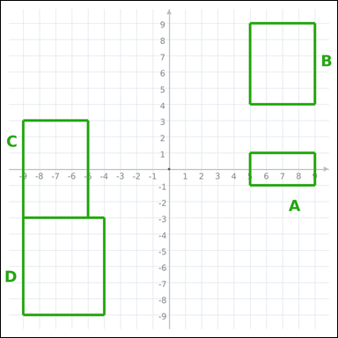 | 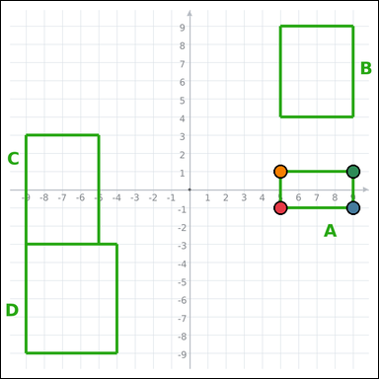 | task_geometry_comparison_area | rectangle_set | Look at the graph-paper image showing several labeled rectangles. Question: Which labeled rectangle has the smallest area? Return a valid JSON object with keys "evidence" and "answer" in that order. Evidence: set "evidence" to an array of exactly four graph-paper points for the winning rectangle vertices. Answer: set "answer" to the single-letter label of the correct rectangle. Example JSON: {"evidence":[[0,0],[4,0],[4,2],[0,2]],"answer":"B"} | Look at the graph-paper image showing several labeled rectangles. Question: Which labeled rectangle has the smallest area? Return a valid JSON object with key "answer". Answer rule: set "answer" to the single-letter label of the correct rectangle. Example JSON: {"answer":"B"} | {"evidence": [[5, -1], [9, -1], [9, 1], [5, 1]], "answer": "A"} | [[5, -1], [9, -1], [9, 1], [5, 1]] | option_letter | graph_point_set | 4.7234079574E+15 | geometry/task_geometry_comparison_area/images/default/0000.png | geometry/task_geometry_comparison_area/data/default/0000.json
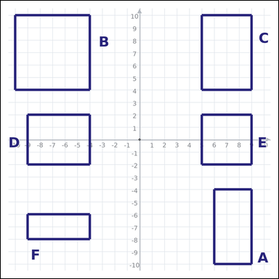 | 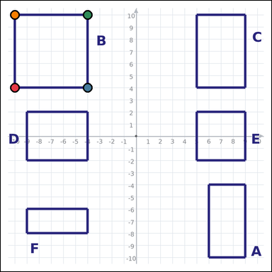 | task_geometry_comparison_area | rectangle_set | Work from the graph-paper image showing several labeled rectangles. Question: Which labeled rectangle has the greatest area? Return a valid JSON object with keys "evidence" and "answer" in that order. Evidence format: set "evidence" to an array of exactly four graph-paper points for the winning rectangle vertices. Answer requirement: set "answer" to the single-letter label of the correct rectangle. Example JSON: {"evidence":[[0,0],[4,0],[4,2],[0,2]],"answer":"B"} | Work from the graph-paper image showing several labeled rectangles. Question: Which labeled rectangle has the greatest area? Return a valid JSON object with key "answer". Answer rule: set "answer" to the single-letter label of the correct rectangle. Example JSON: {"answer":"B"} | {"evidence": [[-10, 4], [-4, 4], [-4, 10], [-10, 10]], "answer": "B"} | [[-10, 4], [-4, 4], [-4, 10], [-10, 10]] | option_letter | graph_point_set | 4.7816416539E+15 | geometry/task_geometry_comparison_area/images/default/0017.png | geometry/task_geometry_comparison_area/data/default/0017.json
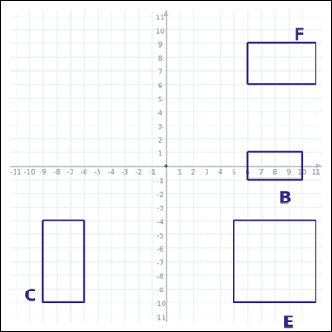 | 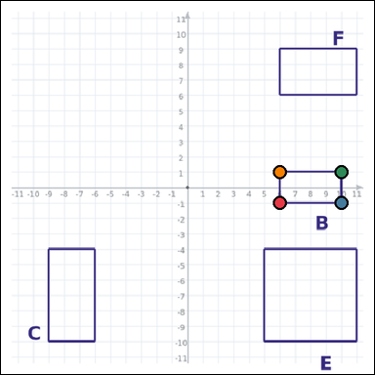 | task_geometry_comparison_area | rectangle_set | You are given a graph-paper image showing several labeled rectangles. Answer this question: Which labeled rectangle has the smallest area? Return a valid JSON object with keys "evidence" and "answer" in that order. Evidence requirement: set "evidence" to an array of exactly four graph-paper points for the winning rectangle vertices. Answer format: set "answer" to the single-letter label of the correct rectangle. Example JSON: {"evidence":[[0,0],[4,0],[4,2],[0,2]],"answer":"B"} | You are given a graph-paper image showing several labeled rectangles. Answer this question: Which labeled rectangle has the smallest area? Return a valid JSON object with key "answer". Answer requirement: set "answer" to the single-letter label of the correct rectangle. Example JSON: {"answer":"B"} | {"evidence": [[6, -1], [10, -1], [10, 1], [6, 1]], "answer": "B"} | [[6, -1], [10, -1], [10, 1], [6, 1]] | option_letter | graph_point_set | 4.862878536E+15 | geometry/task_geometry_comparison_area/images/default/0019.png | geometry/task_geometry_comparison_area/data/default/0019.json
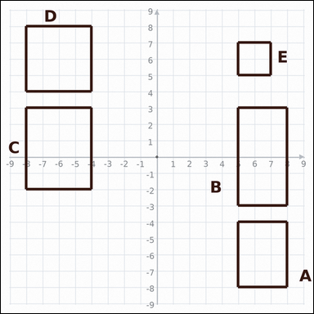 | 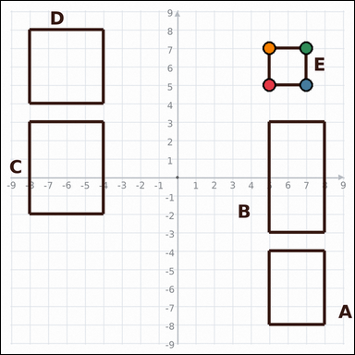 | task_geometry_comparison_area | rectangle_set | Look at the graph-paper image showing several labeled rectangles. Answer this question: Which labeled rectangle has the smallest area? Return a valid JSON object with keys "evidence" and "answer" in that order. Evidence: set "evidence" to an array of exactly four graph-paper points for the winning rectangle vertices. Answer: set "answer" to the single-letter label of the correct rectangle. Example JSON: {"evidence":[[0,0],[4,0],[4,2],[0,2]],"answer":"B"} | Look at the graph-paper image showing several labeled rectangles. Answer this question: Which labeled rectangle has the smallest area? Return a valid JSON object with key "answer". Answer requirement: set "answer" to the single-letter label of the correct rectangle. Example JSON: {"answer":"B"} | {"evidence": [[5, 5], [7, 5], [7, 7], [5, 7]], "answer": "E"} | [[5, 5], [7, 5], [7, 7], [5, 7]] | option_letter | graph_point_set | 4.9005692861E+15 | geometry/task_geometry_comparison_area/images/default/0007.png | geometry/task_geometry_comparison_area/data/default/0007.json
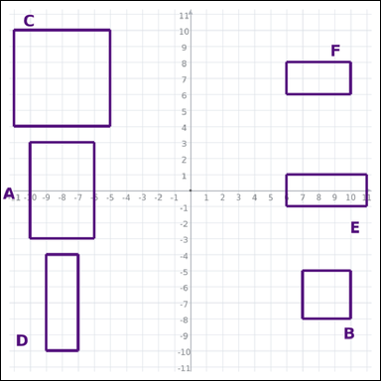 | 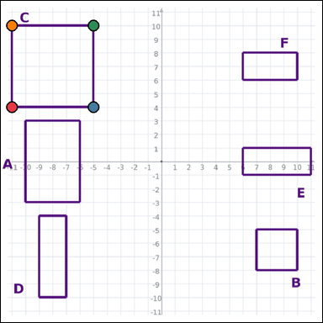 | task_geometry_comparison_area | rectangle_set | The graph-paper image shows several labeled rectangles. Which labeled rectangle has the greatest area? Return a valid JSON object with keys "evidence" and "answer" in that order. Evidence field: set "evidence" to an array of exactly four graph-paper points for the winning rectangle vertices. Answer field: set "answer" to the single-letter label of the correct rectangle. Example JSON: {"evidence":[[0,0],[4,0],[4,2],[0,2]],"answer":"B"} | The graph-paper image shows several labeled rectangles. Which labeled rectangle has the greatest area? Return a valid JSON object with key "answer". Answer format: set "answer" to the single-letter label of the correct rectangle. Example JSON: {"answer":"B"} | {"evidence": [[-11, 4], [-5, 4], [-5, 10], [-11, 10]], "answer": "C"} | [[-11, 4], [-5, 4], [-5, 10], [-11, 10]] | option_letter | graph_point_set | 5.0200772544E+15 | geometry/task_geometry_comparison_area/images/default/0008.png | geometry/task_geometry_comparison_area/data/default/0008.json
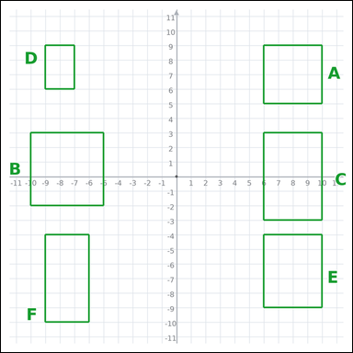 | 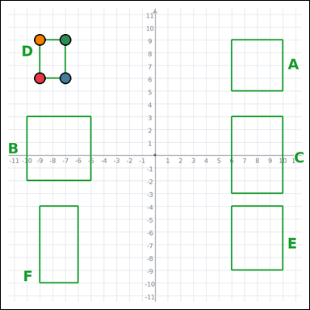 | task_geometry_comparison_area | rectangle_set | The graph-paper image shows several labeled rectangles. Answer this question: Which labeled rectangle has the smallest area? Return a valid JSON object with keys "evidence" and "answer" in that order. Evidence field: set "evidence" to an array of exactly four graph-paper points for the winning rectangle vertices. Answer field: set "answer" to the single-letter label of the correct rectangle. Example JSON: {"evidence":[[0,0],[4,0],[4,2],[0,2]],"answer":"B"} | The graph-paper image shows several labeled rectangles. Answer this question: Which labeled rectangle has the smallest area? Return a valid JSON object with key "answer". Answer field: set "answer" to the single-letter label of the correct rectangle. Example JSON: {"answer":"B"} | {"evidence": [[-9, 6], [-7, 6], [-7, 9], [-9, 9]], "answer": "D"} | [[-9, 6], [-7, 6], [-7, 9], [-9, 9]] | option_letter | graph_point_set | 5.2228410526E+15 | geometry/task_geometry_comparison_area/images/default/0011.png | geometry/task_geometry_comparison_area/data/default/0011.json
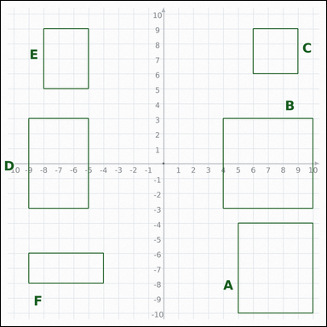 | 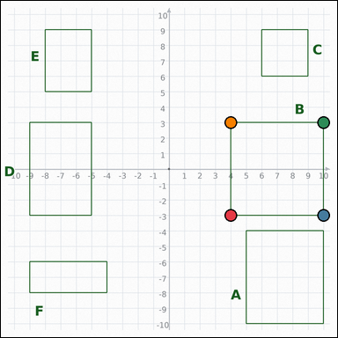 | task_geometry_comparison_area | rectangle_set | The graph-paper image shows several labeled rectangles. Task: Which labeled rectangle has the greatest area? Return a valid JSON object with keys "evidence" and "answer" in that order. Evidence: set "evidence" to an array of exactly four graph-paper points for the winning rectangle vertices. Answer: set "answer" to the single-letter label of the correct rectangle. Example JSON: {"evidence":[[0,0],[4,0],[4,2],[0,2]],"answer":"B"} | The graph-paper image shows several labeled rectangles. Task: Which labeled rectangle has the greatest area? Return a valid JSON object with key "answer". Answer: set "answer" to the single-letter label of the correct rectangle. Example JSON: {"answer":"B"} | {"evidence": [[4, -3], [10, -3], [10, 3], [4, 3]], "answer": "B"} | [[4, -3], [10, -3], [10, 3], [4, 3]] | option_letter | graph_point_set | 5.3492321514E+15 | geometry/task_geometry_comparison_area/images/default/0002.png | geometry/task_geometry_comparison_area/data/default/0002.json
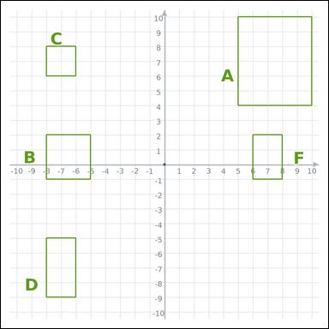 | 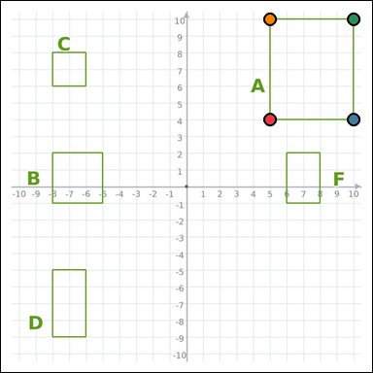 | task_geometry_comparison_area | rectangle_set | Use the graph-paper diagram showing several labeled rectangles. Answer this question: Which labeled rectangle has the greatest area? Return a valid JSON object with keys "evidence" and "answer" in that order. Evidence: set "evidence" to an array of exactly four graph-paper points for the winning rectangle vertices. Answer: set "answer" to the single-letter label of the correct rectangle. Example JSON: {"evidence":[[0,0],[4,0],[4,2],[0,2]],"answer":"B"} | Use the graph-paper diagram showing several labeled rectangles. Answer this question: Which labeled rectangle has the greatest area? Return a valid JSON object with key "answer". Answer field: set "answer" to the single-letter label of the correct rectangle. Example JSON: {"answer":"B"} | {"evidence": [[5, 4], [10, 4], [10, 10], [5, 10]], "answer": "A"} | [[5, 4], [10, 4], [10, 10], [5, 10]] | option_letter | graph_point_set | 5.5715878132E+15 | geometry/task_geometry_comparison_area/images/default/0016.png | geometry/task_geometry_comparison_area/data/default/0016.json
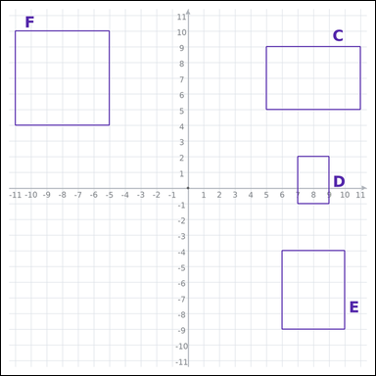 | 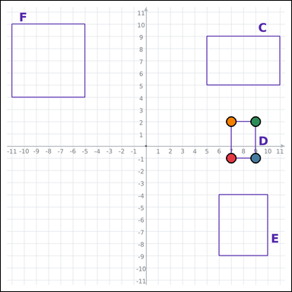 | task_geometry_comparison_area | rectangle_set | The graph-paper image shows several labeled rectangles. Task: Which labeled rectangle has the smallest area? Return a valid JSON object with keys "evidence" and "answer" in that order. Evidence requirement: set "evidence" to an array of exactly four graph-paper points for the winning rectangle vertices. Answer format: set "answer" to the single-letter label of the correct rectangle. Example JSON: {"evidence":[[0,0],[4,0],[4,2],[0,2]],"answer":"B"} | The graph-paper image shows several labeled rectangles. Task: Which labeled rectangle has the smallest area? Return a valid JSON object with key "answer". Answer format: set "answer" to the single-letter label of the correct rectangle. Example JSON: {"answer":"B"} | {"evidence": [[7, -1], [9, -1], [9, 2], [7, 2]], "answer": "D"} | [[7, -1], [9, -1], [9, 2], [7, 2]] | option_letter | graph_point_set | 7.3875104723E+15 | geometry/task_geometry_comparison_area/images/default/0006.png | geometry/task_geometry_comparison_area/data/default/0006.json
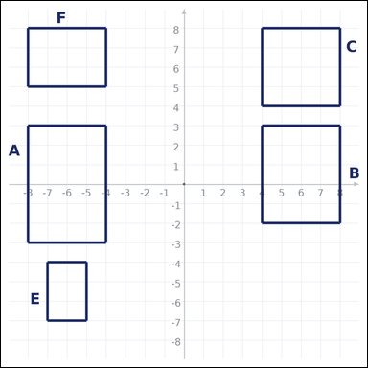 | 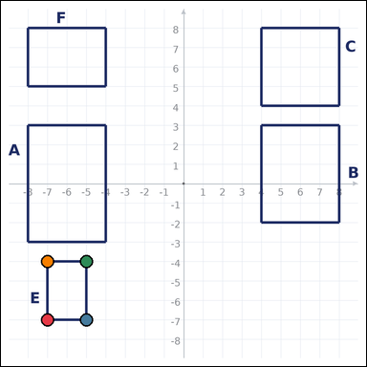 | task_geometry_comparison_area | rectangle_set | Look at the graph-paper image showing several labeled rectangles. Question: Which labeled rectangle has the smallest area? Return a valid JSON object with keys "evidence" and "answer" in that order. Evidence format: set "evidence" to an array of exactly four graph-paper points for the winning rectangle vertices. Answer requirement: set "answer" to the single-letter label of the correct rectangle. Example JSON: {"evidence":[[0,0],[4,0],[4,2],[0,2]],"answer":"B"} | Look at the graph-paper image showing several labeled rectangles. Question: Which labeled rectangle has the smallest area? Return a valid JSON object with key "answer". Answer format: set "answer" to the single-letter label of the correct rectangle. Example JSON: {"answer":"B"} | {"evidence": [[-7, -7], [-5, -7], [-5, -4], [-7, -4]], "answer": "E"} | [[-7, -7], [-5, -7], [-5, -4], [-7, -4]] | option_letter | graph_point_set | 7.5128158601E+15 | geometry/task_geometry_comparison_area/images/default/0018.png | geometry/task_geometry_comparison_area/data/default/0018.json
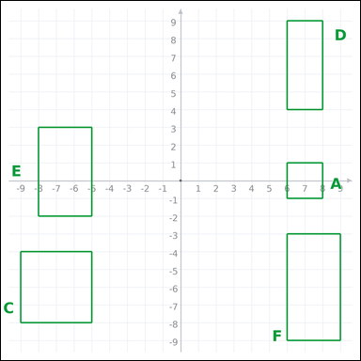 | 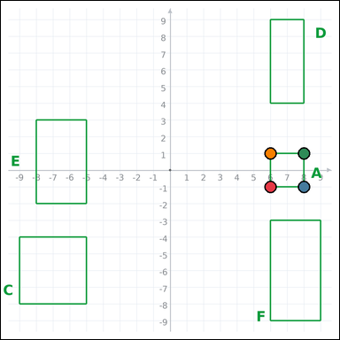 | task_geometry_comparison_area | rectangle_set | The graph-paper image shows several labeled rectangles. Determine the answer: Which labeled rectangle has the smallest area? Return a valid JSON object with keys "evidence" and "answer" in that order. Evidence requirement: set "evidence" to an array of exactly four graph-paper points for the winning rectangle vertices. Answer format: set "answer" to the single-letter label of the correct rectangle. Example JSON: {"evidence":[[0,0],[4,0],[4,2],[0,2]],"answer":"B"} | The graph-paper image shows several labeled rectangles. Determine the answer: Which labeled rectangle has the smallest area? Return a valid JSON object with key "answer". Answer requirement: set "answer" to the single-letter label of the correct rectangle. Example JSON: {"answer":"B"} | {"evidence": [[6, -1], [8, -1], [8, 1], [6, 1]], "answer": "A"} | [[6, -1], [8, -1], [8, 1], [6, 1]] | option_letter | graph_point_set | 8.3457016141E+15 | geometry/task_geometry_comparison_area/images/default/0004.png | geometry/task_geometry_comparison_area/data/default/0004.json

