segment_set
image | evidence_image | task | task_variant | prompt | prompt_answer_only | answer | answer_evidence | answer_type | evidence_type | instance_seed | image_path | data_path
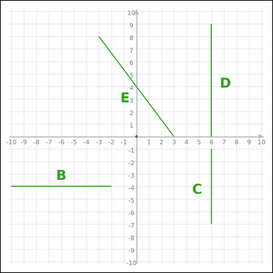 | 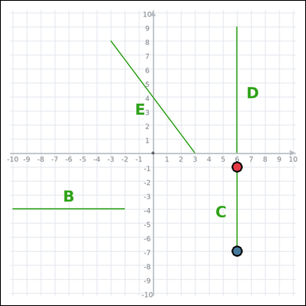 | task_geometry_comparison_length | segment_set | Use the graph-paper diagram showing several labeled line segments. Question: Which labeled segment is the shortest? Return a valid JSON object with keys "evidence" and "answer" in that order. Evidence requirement: set "evidence" to an array of exactly two graph-paper points for the winning segment endpoints. Answer format: set "answer" to the single-letter label of the correct segment. Example JSON: {"evidence":[[0,0],[4,0]],"answer":"B"} | Use the graph-paper diagram showing several labeled line segments. Question: Which labeled segment is the shortest? Return a valid JSON object with key "answer". Answer format: set "answer" to the single-letter label of the correct segment. Example JSON: {"answer":"B"} | {"evidence": [[6, -1], [6, -7]], "answer": "C"} | [[6, -1], [6, -7]] | option_letter | graph_point_set | 21050253822493 | geometry/task_geometry_comparison_length/images/default/0003.png | geometry/task_geometry_comparison_length/data/default/0003.json
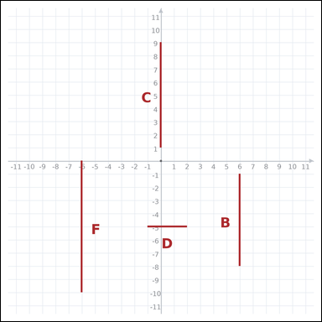 | 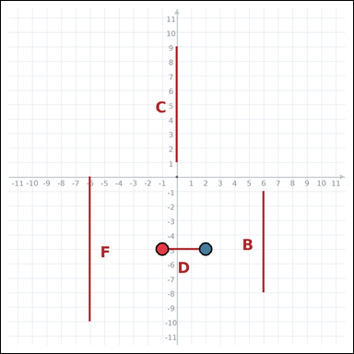 | task_geometry_comparison_length | segment_set | You are given a graph-paper image showing several labeled line segments. Question: Which labeled segment is the shortest? Return a valid JSON object with keys "evidence" and "answer" in that order. Evidence format: set "evidence" to an array of exactly two graph-paper points for the winning segment endpoints. Answer requirement: set "answer" to the single-letter label of the correct segment. Example JSON: {"evidence":[[0,0],[4,0]],"answer":"B"} | You are given a graph-paper image showing several labeled line segments. Question: Which labeled segment is the shortest? Return a valid JSON object with key "answer". Answer format: set "answer" to the single-letter label of the correct segment. Example JSON: {"answer":"B"} | {"evidence": [[-1, -5], [2, -5]], "answer": "D"} | [[-1, -5], [2, -5]] | option_letter | graph_point_set | 762508443763741 | geometry/task_geometry_comparison_length/images/default/0004.png | geometry/task_geometry_comparison_length/data/default/0004.json
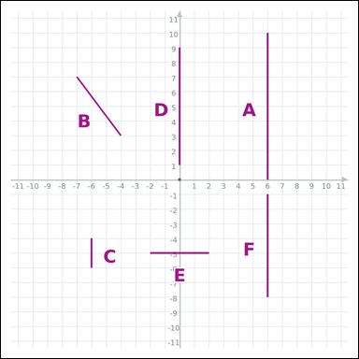 | 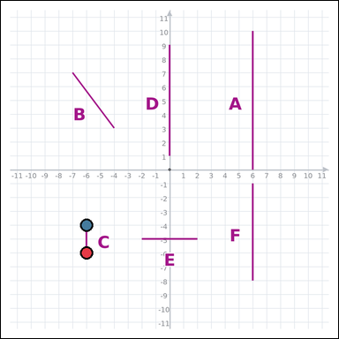 | task_geometry_comparison_length | segment_set | You are given a graph-paper image showing several labeled line segments. Determine the answer: Which labeled segment is the shortest? Return a valid JSON object with keys "evidence" and "answer" in that order. Evidence format: set "evidence" to an array of exactly two graph-paper points for the winning segment endpoints. Answer requirement: set "answer" to the single-letter label of the correct segment. Example JSON: {"evidence":[[0,0],[4,0]],"answer":"B"} | You are given a graph-paper image showing several labeled line segments. Determine the answer: Which labeled segment is the shortest? Return a valid JSON object with key "answer". Answer requirement: set "answer" to the single-letter label of the correct segment. Example JSON: {"answer":"B"} | {"evidence": [[-6, -6], [-6, -4]], "answer": "C"} | [[-6, -6], [-6, -4]] | option_letter | graph_point_set | 975549663578441 | geometry/task_geometry_comparison_length/images/default/0016.png | geometry/task_geometry_comparison_length/data/default/0016.json
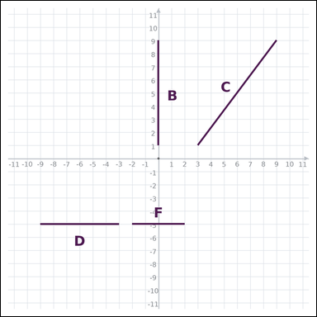 | 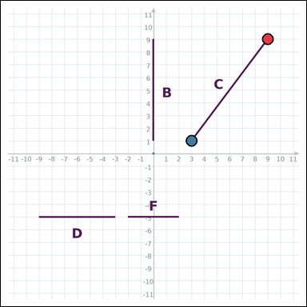 | task_geometry_comparison_length | segment_set | Use the graph-paper diagram showing several labeled line segments. Which labeled segment is the longest? Return a valid JSON object with keys "evidence" and "answer" in that order. Evidence field: set "evidence" to an array of exactly two graph-paper points for the winning segment endpoints. Answer field: set "answer" to the single-letter label of the correct segment. Example JSON: {"evidence":[[0,0],[4,0]],"answer":"B"} | Use the graph-paper diagram showing several labeled line segments. Which labeled segment is the longest? Return a valid JSON object with key "answer". Answer: set "answer" to the single-letter label of the correct segment. Example JSON: {"answer":"B"} | {"evidence": [[9, 9], [3, 1]], "answer": "C"} | [[9, 9], [3, 1]] | option_letter | graph_point_set | 1.6715326366E+15 | geometry/task_geometry_comparison_length/images/default/0012.png | geometry/task_geometry_comparison_length/data/default/0012.json
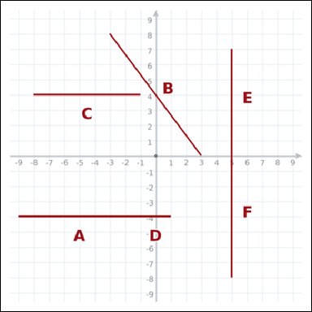 | 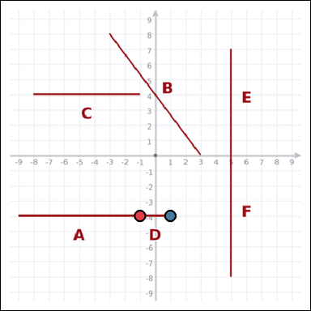 | task_geometry_comparison_length | segment_set | Work from the graph-paper image showing several labeled line segments. Answer this question: Which labeled segment is the shortest? Return a valid JSON object with keys "evidence" and "answer" in that order. Evidence requirement: set "evidence" to an array of exactly two graph-paper points for the winning segment endpoints. Answer format: set "answer" to the single-letter label of the correct segment. Example JSON: {"evidence":[[0,0],[4,0]],"answer":"B"} | Work from the graph-paper image showing several labeled line segments. Answer this question: Which labeled segment is the shortest? Return a valid JSON object with key "answer". Answer: set "answer" to the single-letter label of the correct segment. Example JSON: {"answer":"B"} | {"evidence": [[-1, -4], [1, -4]], "answer": "D"} | [[-1, -4], [1, -4]] | option_letter | graph_point_set | 1.7656897242E+15 | geometry/task_geometry_comparison_length/images/default/0022.png | geometry/task_geometry_comparison_length/data/default/0022.json
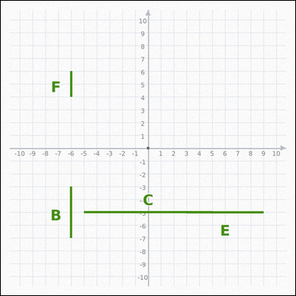 | 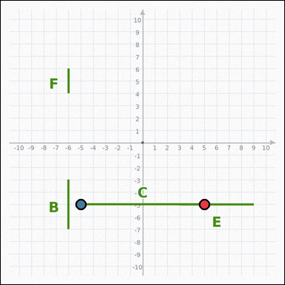 | task_geometry_comparison_length | segment_set | The graph-paper image shows several labeled line segments. Answer this question: Which labeled segment is the longest? Return a valid JSON object with keys "evidence" and "answer" in that order. Evidence format: set "evidence" to an array of exactly two graph-paper points for the winning segment endpoints. Answer requirement: set "answer" to the single-letter label of the correct segment. Example JSON: {"evidence":[[0,0],[4,0]],"answer":"B"} | The graph-paper image shows several labeled line segments. Answer this question: Which labeled segment is the longest? Return a valid JSON object with key "answer". Answer: set "answer" to the single-letter label of the correct segment. Example JSON: {"answer":"B"} | {"evidence": [[5, -5], [-5, -5]], "answer": "C"} | [[5, -5], [-5, -5]] | option_letter | graph_point_set | 1.9741541217E+15 | geometry/task_geometry_comparison_length/images/default/0008.png | geometry/task_geometry_comparison_length/data/default/0008.json
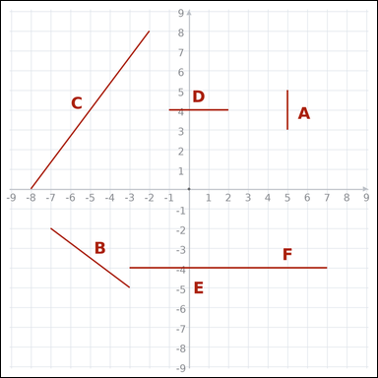 | 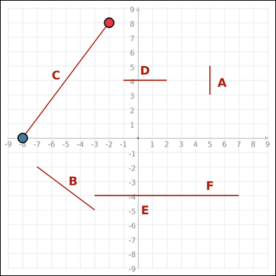 | task_geometry_comparison_length | segment_set | You are given a graph-paper image showing several labeled line segments. Determine the answer: Which labeled segment is the longest? Return a valid JSON object with keys "evidence" and "answer" in that order. Evidence rule: set "evidence" to an array of exactly two graph-paper points for the winning segment endpoints. Answer rule: set "answer" to the single-letter label of the correct segment. Example JSON: {"evidence":[[0,0],[4,0]],"answer":"B"} | You are given a graph-paper image showing several labeled line segments. Determine the answer: Which labeled segment is the longest? Return a valid JSON object with key "answer". Answer rule: set "answer" to the single-letter label of the correct segment. Example JSON: {"answer":"B"} | {"evidence": [[-2, 8], [-8, 0]], "answer": "C"} | [[-2, 8], [-8, 0]] | option_letter | graph_point_set | 2.6700750344E+15 | geometry/task_geometry_comparison_length/images/default/0010.png | geometry/task_geometry_comparison_length/data/default/0010.json
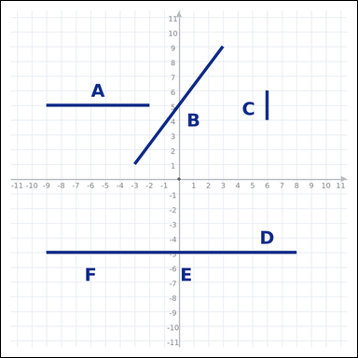 | 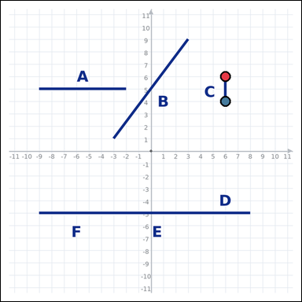 | task_geometry_comparison_length | segment_set | Work from the graph-paper image showing several labeled line segments. Task: Which labeled segment is the shortest? Return a valid JSON object with keys "evidence" and "answer" in that order. Evidence: set "evidence" to an array of exactly two graph-paper points for the winning segment endpoints. Answer: set "answer" to the single-letter label of the correct segment. Example JSON: {"evidence":[[0,0],[4,0]],"answer":"B"} | Work from the graph-paper image showing several labeled line segments. Task: Which labeled segment is the shortest? Return a valid JSON object with key "answer". Answer field: set "answer" to the single-letter label of the correct segment. Example JSON: {"answer":"B"} | {"evidence": [[6, 6], [6, 4]], "answer": "C"} | [[6, 6], [6, 4]] | option_letter | graph_point_set | 3.6984215771E+15 | geometry/task_geometry_comparison_length/images/default/0013.png | geometry/task_geometry_comparison_length/data/default/0013.json
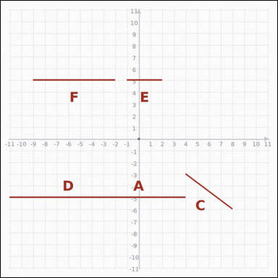 | 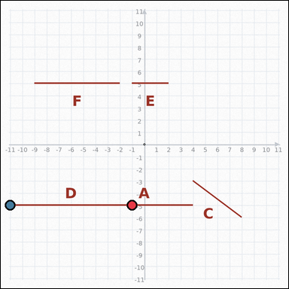 | task_geometry_comparison_length | segment_set | Work from the graph-paper image showing several labeled line segments. Which labeled segment is the longest? Return a valid JSON object with keys "evidence" and "answer" in that order. Evidence field: set "evidence" to an array of exactly two graph-paper points for the winning segment endpoints. Answer field: set "answer" to the single-letter label of the correct segment. Example JSON: {"evidence":[[0,0],[4,0]],"answer":"B"} | Work from the graph-paper image showing several labeled line segments. Which labeled segment is the longest? Return a valid JSON object with key "answer". Answer format: set "answer" to the single-letter label of the correct segment. Example JSON: {"answer":"B"} | {"evidence": [[-1, -5], [-11, -5]], "answer": "D"} | [[-1, -5], [-11, -5]] | option_letter | graph_point_set | 4.0447031922E+15 | geometry/task_geometry_comparison_length/images/default/0019.png | geometry/task_geometry_comparison_length/data/default/0019.json
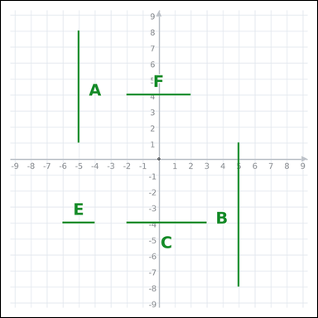 | 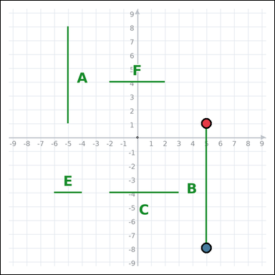 | task_geometry_comparison_length | segment_set | Use the graph-paper diagram showing several labeled line segments. Determine the answer: Which labeled segment is the longest? Return a valid JSON object with keys "evidence" and "answer" in that order. Evidence requirement: set "evidence" to an array of exactly two graph-paper points for the winning segment endpoints. Answer format: set "answer" to the single-letter label of the correct segment. Example JSON: {"evidence":[[0,0],[4,0]],"answer":"B"} | Use the graph-paper diagram showing several labeled line segments. Determine the answer: Which labeled segment is the longest? Return a valid JSON object with key "answer". Answer field: set "answer" to the single-letter label of the correct segment. Example JSON: {"answer":"B"} | {"evidence": [[5, 1], [5, -8]], "answer": "B"} | [[5, 1], [5, -8]] | option_letter | graph_point_set | 4.3244591035E+15 | geometry/task_geometry_comparison_length/images/default/0009.png | geometry/task_geometry_comparison_length/data/default/0009.json
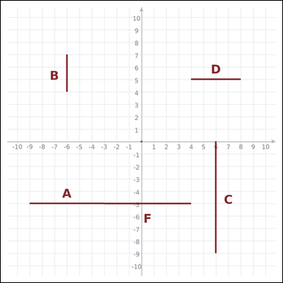 | 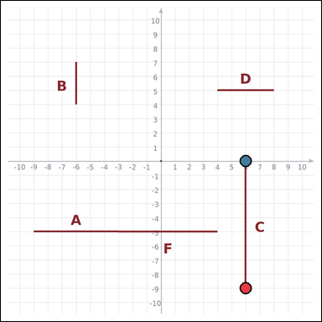 | task_geometry_comparison_length | segment_set | You are given a graph-paper image showing several labeled line segments. Determine the answer: Which labeled segment is the longest? Return a valid JSON object with keys "evidence" and "answer" in that order. Evidence rule: set "evidence" to an array of exactly two graph-paper points for the winning segment endpoints. Answer rule: set "answer" to the single-letter label of the correct segment. Example JSON: {"evidence":[[0,0],[4,0]],"answer":"B"} | You are given a graph-paper image showing several labeled line segments. Determine the answer: Which labeled segment is the longest? Return a valid JSON object with key "answer". Answer rule: set "answer" to the single-letter label of the correct segment. Example JSON: {"answer":"B"} | {"evidence": [[6, -9], [6, 0]], "answer": "C"} | [[6, -9], [6, 0]] | option_letter | graph_point_set | 4.3645360333E+15 | geometry/task_geometry_comparison_length/images/default/0001.png | geometry/task_geometry_comparison_length/data/default/0001.json
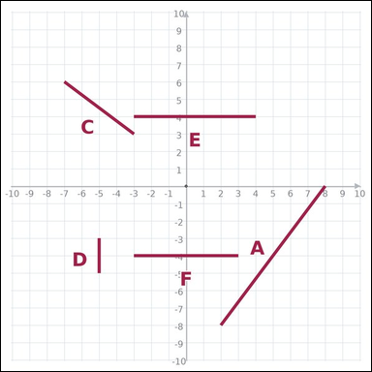 | 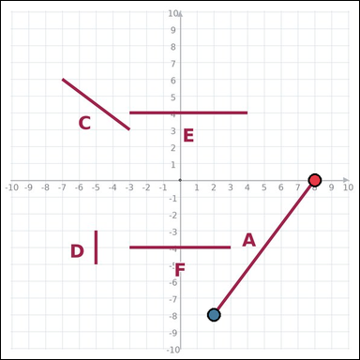 | task_geometry_comparison_length | segment_set | Use the graph-paper diagram showing several labeled line segments. Determine the answer: Which labeled segment is the longest? Return a valid JSON object with keys "evidence" and "answer" in that order. Evidence rule: set "evidence" to an array of exactly two graph-paper points for the winning segment endpoints. Answer rule: set "answer" to the single-letter label of the correct segment. Example JSON: {"evidence":[[0,0],[4,0]],"answer":"B"} | Use the graph-paper diagram showing several labeled line segments. Determine the answer: Which labeled segment is the longest? Return a valid JSON object with key "answer". Answer field: set "answer" to the single-letter label of the correct segment. Example JSON: {"answer":"B"} | {"evidence": [[8, 0], [2, -8]], "answer": "A"} | [[8, 0], [2, -8]] | option_letter | graph_point_set | 4.7962939727E+15 | geometry/task_geometry_comparison_length/images/default/0018.png | geometry/task_geometry_comparison_length/data/default/0018.json
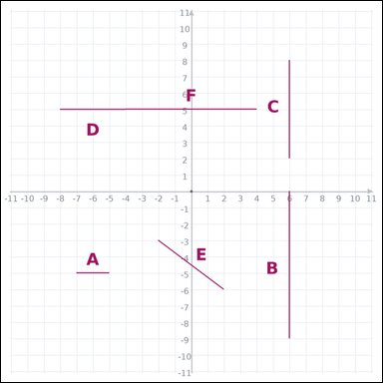 | 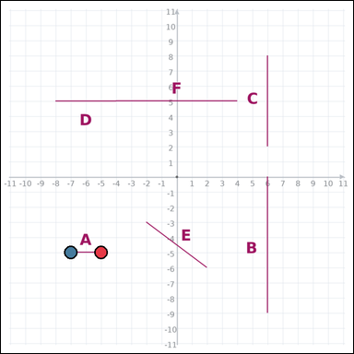 | task_geometry_comparison_length | segment_set | Look at the graph-paper image showing several labeled line segments. Task: Which labeled segment is the shortest? Return a valid JSON object with keys "evidence" and "answer" in that order. Evidence requirement: set "evidence" to an array of exactly two graph-paper points for the winning segment endpoints. Answer format: set "answer" to the single-letter label of the correct segment. Example JSON: {"evidence":[[0,0],[4,0]],"answer":"B"} | Look at the graph-paper image showing several labeled line segments. Task: Which labeled segment is the shortest? Return a valid JSON object with key "answer". Answer field: set "answer" to the single-letter label of the correct segment. Example JSON: {"answer":"B"} | {"evidence": [[-5, -5], [-7, -5]], "answer": "A"} | [[-5, -5], [-7, -5]] | option_letter | graph_point_set | 4.8848188241E+15 | geometry/task_geometry_comparison_length/images/default/0005.png | geometry/task_geometry_comparison_length/data/default/0005.json
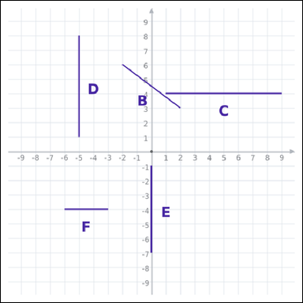 | 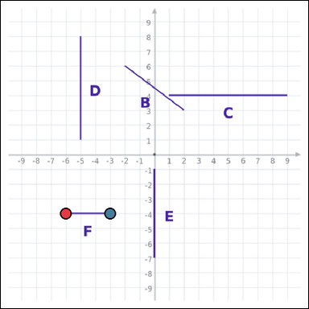 | task_geometry_comparison_length | segment_set | Look at the graph-paper image showing several labeled line segments. Question: Which labeled segment is the shortest? Return a valid JSON object with keys "evidence" and "answer" in that order. Evidence requirement: set "evidence" to an array of exactly two graph-paper points for the winning segment endpoints. Answer format: set "answer" to the single-letter label of the correct segment. Example JSON: {"evidence":[[0,0],[4,0]],"answer":"B"} | Look at the graph-paper image showing several labeled line segments. Question: Which labeled segment is the shortest? Return a valid JSON object with key "answer". Answer format: set "answer" to the single-letter label of the correct segment. Example JSON: {"answer":"B"} | {"evidence": [[-6, -4], [-3, -4]], "answer": "F"} | [[-6, -4], [-3, -4]] | option_letter | graph_point_set | 5.3223028268E+15 | geometry/task_geometry_comparison_length/images/default/0002.png | geometry/task_geometry_comparison_length/data/default/0002.json
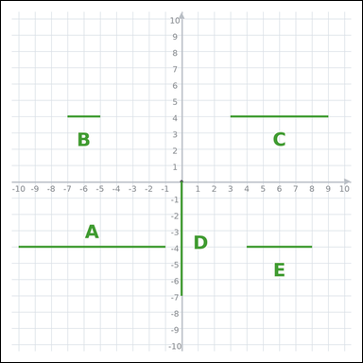 | 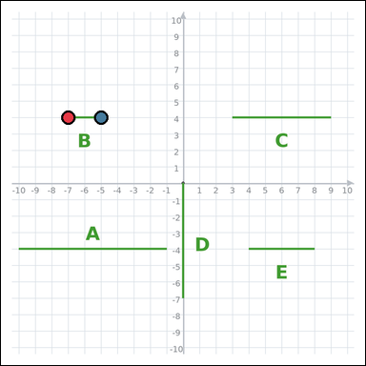 | task_geometry_comparison_length | segment_set | Use the graph-paper diagram showing several labeled line segments. Answer this question: Which labeled segment is the shortest? Return a valid JSON object with keys "evidence" and "answer" in that order. Evidence field: set "evidence" to an array of exactly two graph-paper points for the winning segment endpoints. Answer field: set "answer" to the single-letter label of the correct segment. Example JSON: {"evidence":[[0,0],[4,0]],"answer":"B"} | Use the graph-paper diagram showing several labeled line segments. Answer this question: Which labeled segment is the shortest? Return a valid JSON object with key "answer". Answer requirement: set "answer" to the single-letter label of the correct segment. Example JSON: {"answer":"B"} | {"evidence": [[-7, 4], [-5, 4]], "answer": "B"} | [[-7, 4], [-5, 4]] | option_letter | graph_point_set | 5.4740517835E+15 | geometry/task_geometry_comparison_length/images/default/0017.png | geometry/task_geometry_comparison_length/data/default/0017.json
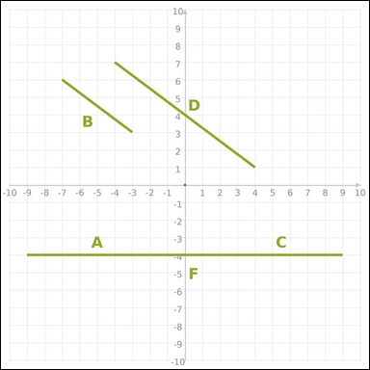 | 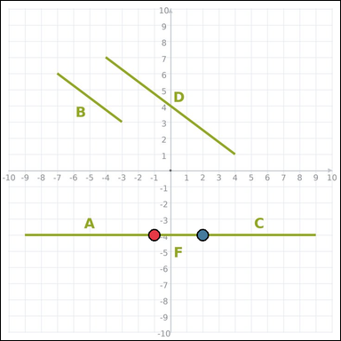 | task_geometry_comparison_length | segment_set | You are given a graph-paper image showing several labeled line segments. Answer this question: Which labeled segment is the shortest? Return a valid JSON object with keys "evidence" and "answer" in that order. Evidence: set "evidence" to an array of exactly two graph-paper points for the winning segment endpoints. Answer: set "answer" to the single-letter label of the correct segment. Example JSON: {"evidence":[[0,0],[4,0]],"answer":"B"} | You are given a graph-paper image showing several labeled line segments. Answer this question: Which labeled segment is the shortest? Return a valid JSON object with key "answer". Answer: set "answer" to the single-letter label of the correct segment. Example JSON: {"answer":"B"} | {"evidence": [[-1, -4], [2, -4]], "answer": "F"} | [[-1, -4], [2, -4]] | option_letter | graph_point_set | 5.8060198608E+15 | geometry/task_geometry_comparison_length/images/default/0007.png | geometry/task_geometry_comparison_length/data/default/0007.json
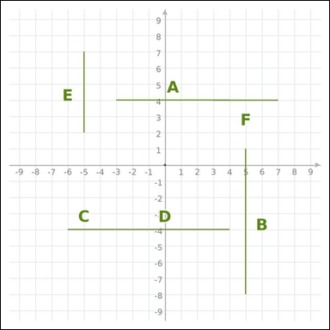 | 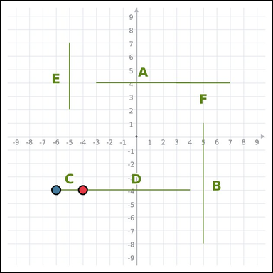 | task_geometry_comparison_length | segment_set | Look at the graph-paper image showing several labeled line segments. Answer this question: Which labeled segment is the shortest? Return a valid JSON object with keys "evidence" and "answer" in that order. Evidence field: set "evidence" to an array of exactly two graph-paper points for the winning segment endpoints. Answer field: set "answer" to the single-letter label of the correct segment. Example JSON: {"evidence":[[0,0],[4,0]],"answer":"B"} | Look at the graph-paper image showing several labeled line segments. Answer this question: Which labeled segment is the shortest? Return a valid JSON object with key "answer". Answer field: set "answer" to the single-letter label of the correct segment. Example JSON: {"answer":"B"} | {"evidence": [[-4, -4], [-6, -4]], "answer": "C"} | [[-4, -4], [-6, -4]] | option_letter | graph_point_set | 6.3213428695E+15 | geometry/task_geometry_comparison_length/images/default/0000.png | geometry/task_geometry_comparison_length/data/default/0000.json
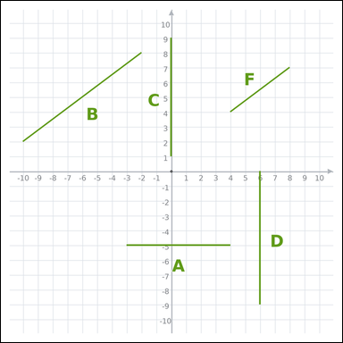 | 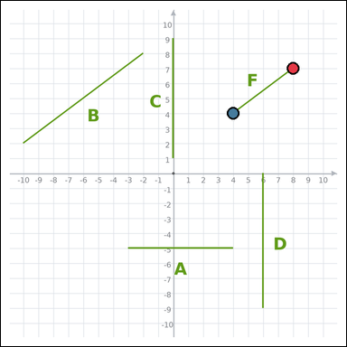 | task_geometry_comparison_length | segment_set | You are given a graph-paper image showing several labeled line segments. Task: Which labeled segment is the shortest? Return a valid JSON object with keys "evidence" and "answer" in that order. Evidence rule: set "evidence" to an array of exactly two graph-paper points for the winning segment endpoints. Answer rule: set "answer" to the single-letter label of the correct segment. Example JSON: {"evidence":[[0,0],[4,0]],"answer":"B"} | You are given a graph-paper image showing several labeled line segments. Task: Which labeled segment is the shortest? Return a valid JSON object with key "answer". Answer field: set "answer" to the single-letter label of the correct segment. Example JSON: {"answer":"B"} | {"evidence": [[8, 7], [4, 4]], "answer": "F"} | [[8, 7], [4, 4]] | option_letter | graph_point_set | 6.9626244426E+15 | geometry/task_geometry_comparison_length/images/default/0023.png | geometry/task_geometry_comparison_length/data/default/0023.json
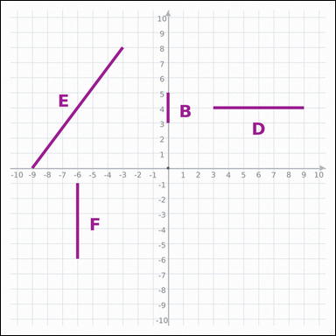 | 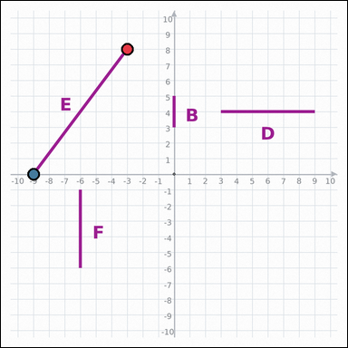 | task_geometry_comparison_length | segment_set | Look at the graph-paper image showing several labeled line segments. Question: Which labeled segment is the longest? Return a valid JSON object with keys "evidence" and "answer" in that order. Evidence format: set "evidence" to an array of exactly two graph-paper points for the winning segment endpoints. Answer requirement: set "answer" to the single-letter label of the correct segment. Example JSON: {"evidence":[[0,0],[4,0]],"answer":"B"} | Look at the graph-paper image showing several labeled line segments. Question: Which labeled segment is the longest? Return a valid JSON object with key "answer". Answer format: set "answer" to the single-letter label of the correct segment. Example JSON: {"answer":"B"} | {"evidence": [[-3, 8], [-9, 0]], "answer": "E"} | [[-3, 8], [-9, 0]] | option_letter | graph_point_set | 7.2505455007E+15 | geometry/task_geometry_comparison_length/images/default/0014.png | geometry/task_geometry_comparison_length/data/default/0014.json
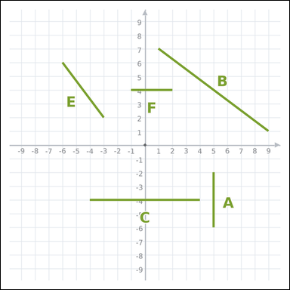 | 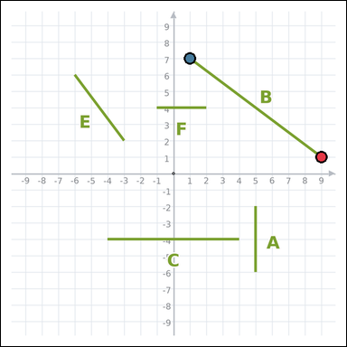 | task_geometry_comparison_length | segment_set | Work from the graph-paper image showing several labeled line segments. Answer this question: Which labeled segment is the longest? Return a valid JSON object with keys "evidence" and "answer" in that order. Evidence requirement: set "evidence" to an array of exactly two graph-paper points for the winning segment endpoints. Answer format: set "answer" to the single-letter label of the correct segment. Example JSON: {"evidence":[[0,0],[4,0]],"answer":"B"} | Work from the graph-paper image showing several labeled line segments. Answer this question: Which labeled segment is the longest? Return a valid JSON object with key "answer". Answer: set "answer" to the single-letter label of the correct segment. Example JSON: {"answer":"B"} | {"evidence": [[9, 1], [1, 7]], "answer": "B"} | [[9, 1], [1, 7]] | option_letter | graph_point_set | 7.6545908736E+15 | geometry/task_geometry_comparison_length/images/default/0006.png | geometry/task_geometry_comparison_length/data/default/0006.json
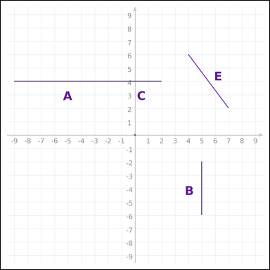 | 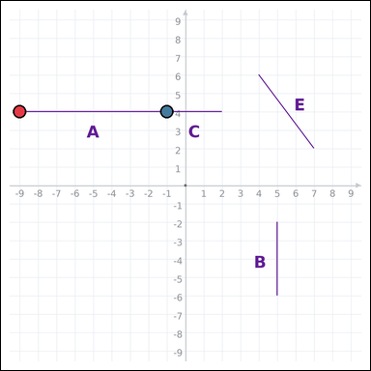 | task_geometry_comparison_length | segment_set | The graph-paper image shows several labeled line segments. Answer this question: Which labeled segment is the longest? Return a valid JSON object with keys "evidence" and "answer" in that order. Evidence requirement: set "evidence" to an array of exactly two graph-paper points for the winning segment endpoints. Answer format: set "answer" to the single-letter label of the correct segment. Example JSON: {"evidence":[[0,0],[4,0]],"answer":"B"} | The graph-paper image shows several labeled line segments. Answer this question: Which labeled segment is the longest? Return a valid JSON object with key "answer". Answer format: set "answer" to the single-letter label of the correct segment. Example JSON: {"answer":"B"} | {"evidence": [[-9, 4], [-1, 4]], "answer": "A"} | [[-9, 4], [-1, 4]] | option_letter | graph_point_set | 7.9868349257E+15 | geometry/task_geometry_comparison_length/images/default/0020.png | geometry/task_geometry_comparison_length/data/default/0020.json
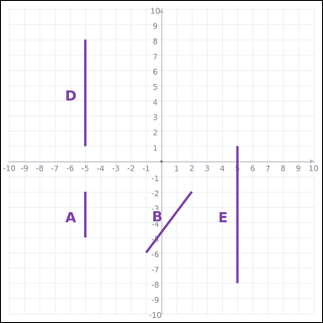 | 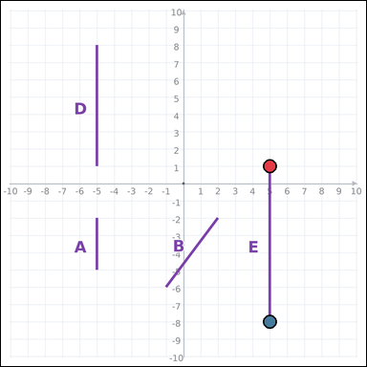 | task_geometry_comparison_length | segment_set | You are given a graph-paper image showing several labeled line segments. Answer this question: Which labeled segment is the longest? Return a valid JSON object with keys "evidence" and "answer" in that order. Evidence format: set "evidence" to an array of exactly two graph-paper points for the winning segment endpoints. Answer requirement: set "answer" to the single-letter label of the correct segment. Example JSON: {"evidence":[[0,0],[4,0]],"answer":"B"} | You are given a graph-paper image showing several labeled line segments. Answer this question: Which labeled segment is the longest? Return a valid JSON object with key "answer". Answer field: set "answer" to the single-letter label of the correct segment. Example JSON: {"answer":"B"} | {"evidence": [[5, 1], [5, -8]], "answer": "E"} | [[5, 1], [5, -8]] | option_letter | graph_point_set | 8.2034705269E+15 | geometry/task_geometry_comparison_length/images/default/0015.png | geometry/task_geometry_comparison_length/data/default/0015.json
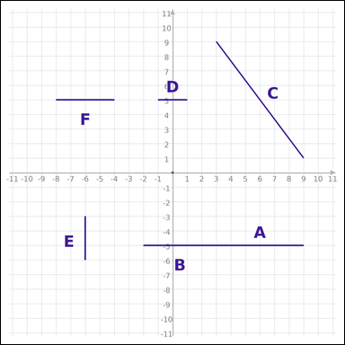 | 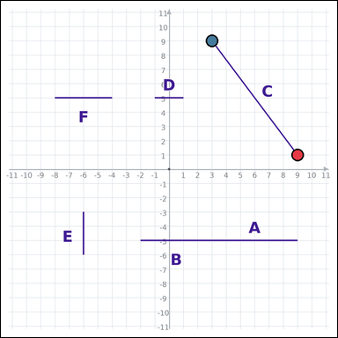 | task_geometry_comparison_length | segment_set | Work from the graph-paper image showing several labeled line segments. Question: Which labeled segment is the longest? Return a valid JSON object with keys "evidence" and "answer" in that order. Evidence rule: set "evidence" to an array of exactly two graph-paper points for the winning segment endpoints. Answer rule: set "answer" to the single-letter label of the correct segment. Example JSON: {"evidence":[[0,0],[4,0]],"answer":"B"} | Work from the graph-paper image showing several labeled line segments. Question: Which labeled segment is the longest? Return a valid JSON object with key "answer". Answer field: set "answer" to the single-letter label of the correct segment. Example JSON: {"answer":"B"} | {"evidence": [[9, 1], [3, 9]], "answer": "C"} | [[9, 1], [3, 9]] | option_letter | graph_point_set | 8.349388077E+15 | geometry/task_geometry_comparison_length/images/default/0024.png | geometry/task_geometry_comparison_length/data/default/0024.json
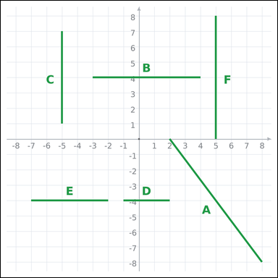 | 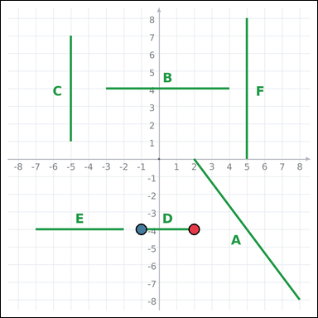 | task_geometry_comparison_length | segment_set | Look at the graph-paper image showing several labeled line segments. Determine the answer: Which labeled segment is the shortest? Return a valid JSON object with keys "evidence" and "answer" in that order. Evidence field: set "evidence" to an array of exactly two graph-paper points for the winning segment endpoints. Answer field: set "answer" to the single-letter label of the correct segment. Example JSON: {"evidence":[[0,0],[4,0]],"answer":"B"} | Look at the graph-paper image showing several labeled line segments. Determine the answer: Which labeled segment is the shortest? Return a valid JSON object with key "answer". Answer field: set "answer" to the single-letter label of the correct segment. Example JSON: {"answer":"B"} | {"evidence": [[2, -4], [-1, -4]], "answer": "D"} | [[2, -4], [-1, -4]] | option_letter | graph_point_set | 8.52579206E+15 | geometry/task_geometry_comparison_length/images/default/0021.png | geometry/task_geometry_comparison_length/data/default/0021.json
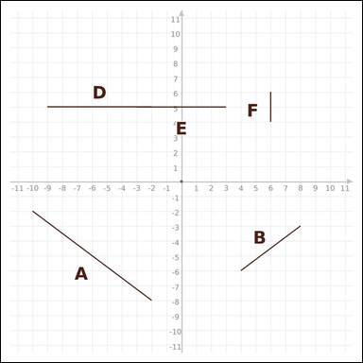 | 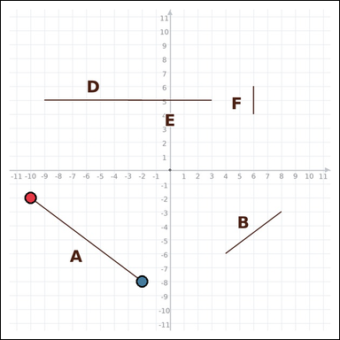 | task_geometry_comparison_length | segment_set | Look at the graph-paper image showing several labeled line segments. Question: Which labeled segment is the longest? Return a valid JSON object with keys "evidence" and "answer" in that order. Evidence rule: set "evidence" to an array of exactly two graph-paper points for the winning segment endpoints. Answer rule: set "answer" to the single-letter label of the correct segment. Example JSON: {"evidence":[[0,0],[4,0]],"answer":"B"} | Look at the graph-paper image showing several labeled line segments. Question: Which labeled segment is the longest? Return a valid JSON object with key "answer". Answer requirement: set "answer" to the single-letter label of the correct segment. Example JSON: {"answer":"B"} | {"evidence": [[-10, -2], [-2, -8]], "answer": "A"} | [[-10, -2], [-2, -8]] | option_letter | graph_point_set | 8.9661374895E+15 | geometry/task_geometry_comparison_length/images/default/0011.png | geometry/task_geometry_comparison_length/data/default/0011.json

