rectangle_set
image | evidence_image | task | task_variant | prompt | prompt_answer_only | answer | answer_evidence | answer_type | evidence_type | instance_seed | image_path | data_path
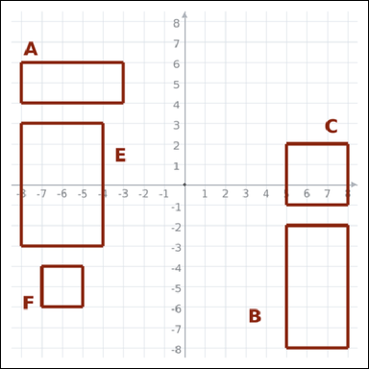 | 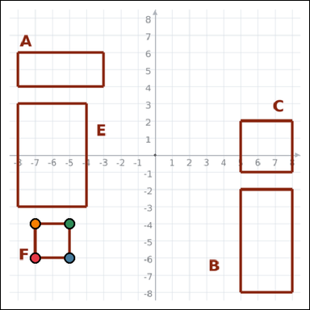 | task_geometry_comparison_perimeter | rectangle_set | Look at the graph-paper image showing several labeled rectangles. Which labeled rectangle has the smallest perimeter? Return a valid JSON object with keys "evidence" and "answer" in that order. Evidence rule: set "evidence" to an array of exactly four graph-paper points for the winning rectangle vertices. Answer rule: set "answer" to the single-letter label of the correct rectangle. Example JSON: {"evidence":[[0,0],[4,0],[4,2],[0,2]],"answer":"B"} | Look at the graph-paper image showing several labeled rectangles. Which labeled rectangle has the smallest perimeter? Return a valid JSON object with key "answer". Answer field: set "answer" to the single-letter label of the correct rectangle. Example JSON: {"answer":"B"} | {"evidence": [[-7, -6], [-5, -6], [-5, -4], [-7, -4]], "answer": "F"} | [[-7, -6], [-5, -6], [-5, -4], [-7, -4]] | option_letter | graph_point_set | 296882746917459 | geometry/task_geometry_comparison_perimeter/images/default/0010.png | geometry/task_geometry_comparison_perimeter/data/default/0010.json
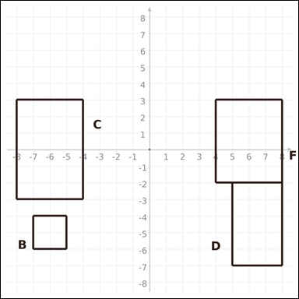 | 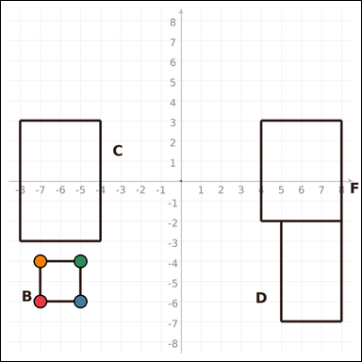 | task_geometry_comparison_perimeter | rectangle_set | Work from the graph-paper image showing several labeled rectangles. Task: Which labeled rectangle has the smallest perimeter? Return a valid JSON object with keys "evidence" and "answer" in that order. Evidence field: set "evidence" to an array of exactly four graph-paper points for the winning rectangle vertices. Answer field: set "answer" to the single-letter label of the correct rectangle. Example JSON: {"evidence":[[0,0],[4,0],[4,2],[0,2]],"answer":"B"} | Work from the graph-paper image showing several labeled rectangles. Task: Which labeled rectangle has the smallest perimeter? Return a valid JSON object with key "answer". Answer rule: set "answer" to the single-letter label of the correct rectangle. Example JSON: {"answer":"B"} | {"evidence": [[-7, -6], [-5, -6], [-5, -4], [-7, -4]], "answer": "B"} | [[-7, -6], [-5, -6], [-5, -4], [-7, -4]] | option_letter | graph_point_set | 440115362866879 | geometry/task_geometry_comparison_perimeter/images/default/0003.png | geometry/task_geometry_comparison_perimeter/data/default/0003.json
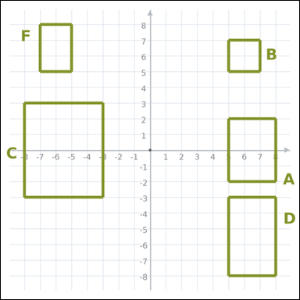 | 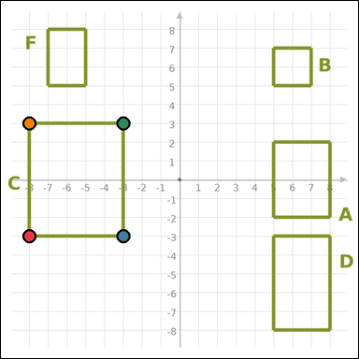 | task_geometry_comparison_perimeter | rectangle_set | Use the graph-paper diagram showing several labeled rectangles. Determine the answer: Which labeled rectangle has the greatest perimeter? Return a valid JSON object with keys "evidence" and "answer" in that order. Evidence requirement: set "evidence" to an array of exactly four graph-paper points for the winning rectangle vertices. Answer format: set "answer" to the single-letter label of the correct rectangle. Example JSON: {"evidence":[[0,0],[4,0],[4,2],[0,2]],"answer":"B"} | Use the graph-paper diagram showing several labeled rectangles. Determine the answer: Which labeled rectangle has the greatest perimeter? Return a valid JSON object with key "answer". Answer format: set "answer" to the single-letter label of the correct rectangle. Example JSON: {"answer":"B"} | {"evidence": [[-8, -3], [-3, -3], [-3, 3], [-8, 3]], "answer": "C"} | [[-8, -3], [-3, -3], [-3, 3], [-8, 3]] | option_letter | graph_point_set | 531085403002862 | geometry/task_geometry_comparison_perimeter/images/default/0008.png | geometry/task_geometry_comparison_perimeter/data/default/0008.json
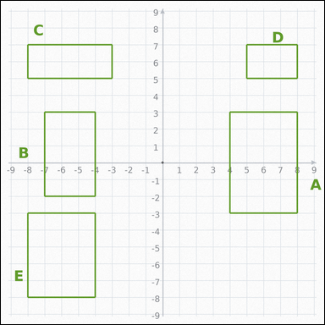 | 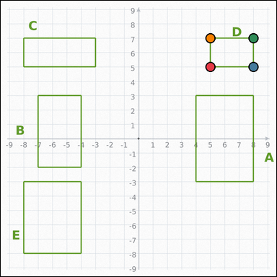 | task_geometry_comparison_perimeter | rectangle_set | Use the graph-paper diagram showing several labeled rectangles. Determine the answer: Which labeled rectangle has the smallest perimeter? Return a valid JSON object with keys "evidence" and "answer" in that order. Evidence rule: set "evidence" to an array of exactly four graph-paper points for the winning rectangle vertices. Answer rule: set "answer" to the single-letter label of the correct rectangle. Example JSON: {"evidence":[[0,0],[4,0],[4,2],[0,2]],"answer":"B"} | Use the graph-paper diagram showing several labeled rectangles. Determine the answer: Which labeled rectangle has the smallest perimeter? Return a valid JSON object with key "answer". Answer field: set "answer" to the single-letter label of the correct rectangle. Example JSON: {"answer":"B"} | {"evidence": [[5, 5], [8, 5], [8, 7], [5, 7]], "answer": "D"} | [[5, 5], [8, 5], [8, 7], [5, 7]] | option_letter | graph_point_set | 717512089075881 | geometry/task_geometry_comparison_perimeter/images/default/0017.png | geometry/task_geometry_comparison_perimeter/data/default/0017.json
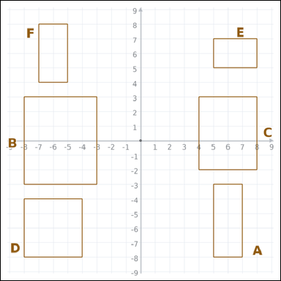 | 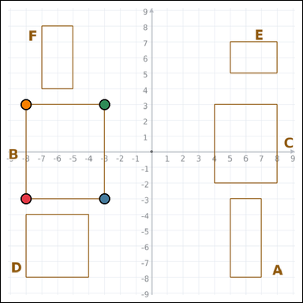 | task_geometry_comparison_perimeter | rectangle_set | Use the graph-paper diagram showing several labeled rectangles. Question: Which labeled rectangle has the greatest perimeter? Return a valid JSON object with keys "evidence" and "answer" in that order. Evidence: set "evidence" to an array of exactly four graph-paper points for the winning rectangle vertices. Answer: set "answer" to the single-letter label of the correct rectangle. Example JSON: {"evidence":[[0,0],[4,0],[4,2],[0,2]],"answer":"B"} | Use the graph-paper diagram showing several labeled rectangles. Question: Which labeled rectangle has the greatest perimeter? Return a valid JSON object with key "answer". Answer rule: set "answer" to the single-letter label of the correct rectangle. Example JSON: {"answer":"B"} | {"evidence": [[-8, -3], [-3, -3], [-3, 3], [-8, 3]], "answer": "B"} | [[-8, -3], [-3, -3], [-3, 3], [-8, 3]] | option_letter | graph_point_set | 726497961959530 | geometry/task_geometry_comparison_perimeter/images/default/0013.png | geometry/task_geometry_comparison_perimeter/data/default/0013.json
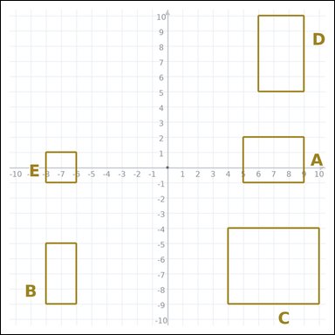 | 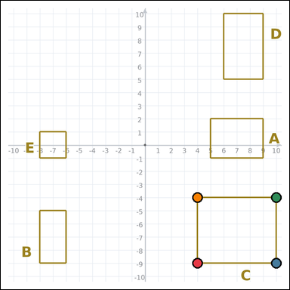 | task_geometry_comparison_perimeter | rectangle_set | The graph-paper image shows several labeled rectangles. Question: Which labeled rectangle has the greatest perimeter? Return a valid JSON object with keys "evidence" and "answer" in that order. Evidence field: set "evidence" to an array of exactly four graph-paper points for the winning rectangle vertices. Answer field: set "answer" to the single-letter label of the correct rectangle. Example JSON: {"evidence":[[0,0],[4,0],[4,2],[0,2]],"answer":"B"} | The graph-paper image shows several labeled rectangles. Question: Which labeled rectangle has the greatest perimeter? Return a valid JSON object with key "answer". Answer rule: set "answer" to the single-letter label of the correct rectangle. Example JSON: {"answer":"B"} | {"evidence": [[4, -9], [10, -9], [10, -4], [4, -4]], "answer": "C"} | [[4, -9], [10, -9], [10, -4], [4, -4]] | option_letter | graph_point_set | 756341700008924 | geometry/task_geometry_comparison_perimeter/images/default/0004.png | geometry/task_geometry_comparison_perimeter/data/default/0004.json
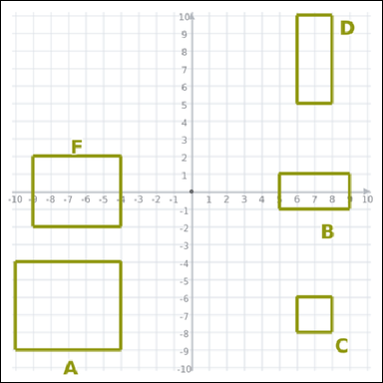 | 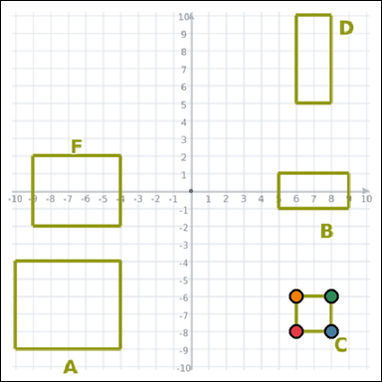 | task_geometry_comparison_perimeter | rectangle_set | You are given a graph-paper image showing several labeled rectangles. Which labeled rectangle has the smallest perimeter? Return a valid JSON object with keys "evidence" and "answer" in that order. Evidence requirement: set "evidence" to an array of exactly four graph-paper points for the winning rectangle vertices. Answer format: set "answer" to the single-letter label of the correct rectangle. Example JSON: {"evidence":[[0,0],[4,0],[4,2],[0,2]],"answer":"B"} | You are given a graph-paper image showing several labeled rectangles. Which labeled rectangle has the smallest perimeter? Return a valid JSON object with key "answer". Answer format: set "answer" to the single-letter label of the correct rectangle. Example JSON: {"answer":"B"} | {"evidence": [[6, -8], [8, -8], [8, -6], [6, -6]], "answer": "C"} | [[6, -8], [8, -8], [8, -6], [6, -6]] | option_letter | graph_point_set | 852253315273539 | geometry/task_geometry_comparison_perimeter/images/default/0020.png | geometry/task_geometry_comparison_perimeter/data/default/0020.json
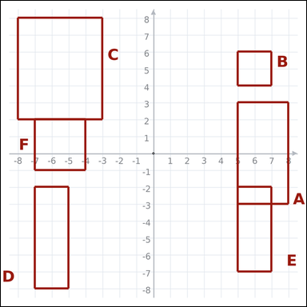 | 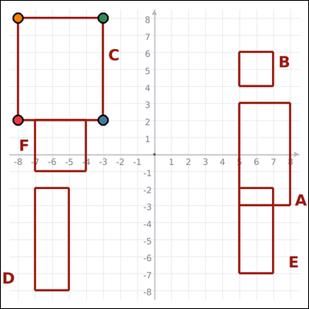 | task_geometry_comparison_perimeter | rectangle_set | Use the graph-paper diagram showing several labeled rectangles. Answer this question: Which labeled rectangle has the greatest perimeter? Return a valid JSON object with keys "evidence" and "answer" in that order. Evidence field: set "evidence" to an array of exactly four graph-paper points for the winning rectangle vertices. Answer field: set "answer" to the single-letter label of the correct rectangle. Example JSON: {"evidence":[[0,0],[4,0],[4,2],[0,2]],"answer":"B"} | Use the graph-paper diagram showing several labeled rectangles. Answer this question: Which labeled rectangle has the greatest perimeter? Return a valid JSON object with key "answer". Answer field: set "answer" to the single-letter label of the correct rectangle. Example JSON: {"answer":"B"} | {"evidence": [[-8, 2], [-3, 2], [-3, 8], [-8, 8]], "answer": "C"} | [[-8, 2], [-3, 2], [-3, 8], [-8, 8]] | option_letter | graph_point_set | 873664907814796 | geometry/task_geometry_comparison_perimeter/images/default/0005.png | geometry/task_geometry_comparison_perimeter/data/default/0005.json
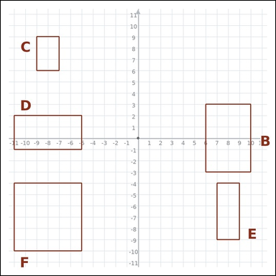 | 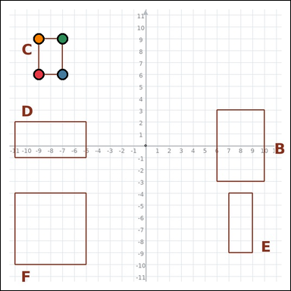 | task_geometry_comparison_perimeter | rectangle_set | Look at the graph-paper image showing several labeled rectangles. Task: Which labeled rectangle has the smallest perimeter? Return a valid JSON object with keys "evidence" and "answer" in that order. Evidence rule: set "evidence" to an array of exactly four graph-paper points for the winning rectangle vertices. Answer rule: set "answer" to the single-letter label of the correct rectangle. Example JSON: {"evidence":[[0,0],[4,0],[4,2],[0,2]],"answer":"B"} | Look at the graph-paper image showing several labeled rectangles. Task: Which labeled rectangle has the smallest perimeter? Return a valid JSON object with key "answer". Answer field: set "answer" to the single-letter label of the correct rectangle. Example JSON: {"answer":"B"} | {"evidence": [[-9, 6], [-7, 6], [-7, 9], [-9, 9]], "answer": "C"} | [[-9, 6], [-7, 6], [-7, 9], [-9, 9]] | option_letter | graph_point_set | 1.684461443E+15 | geometry/task_geometry_comparison_perimeter/images/default/0019.png | geometry/task_geometry_comparison_perimeter/data/default/0019.json
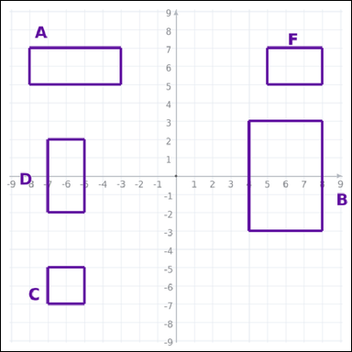 | 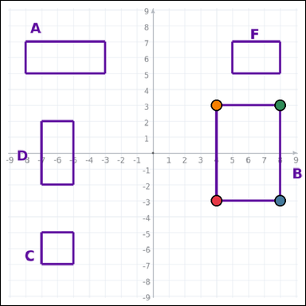 | task_geometry_comparison_perimeter | rectangle_set | The graph-paper image shows several labeled rectangles. Task: Which labeled rectangle has the greatest perimeter? Return a valid JSON object with keys "evidence" and "answer" in that order. Evidence rule: set "evidence" to an array of exactly four graph-paper points for the winning rectangle vertices. Answer rule: set "answer" to the single-letter label of the correct rectangle. Example JSON: {"evidence":[[0,0],[4,0],[4,2],[0,2]],"answer":"B"} | The graph-paper image shows several labeled rectangles. Task: Which labeled rectangle has the greatest perimeter? Return a valid JSON object with key "answer". Answer field: set "answer" to the single-letter label of the correct rectangle. Example JSON: {"answer":"B"} | {"evidence": [[4, -3], [8, -3], [8, 3], [4, 3]], "answer": "B"} | [[4, -3], [8, -3], [8, 3], [4, 3]] | option_letter | graph_point_set | 2.0543920918E+15 | geometry/task_geometry_comparison_perimeter/images/default/0002.png | geometry/task_geometry_comparison_perimeter/data/default/0002.json
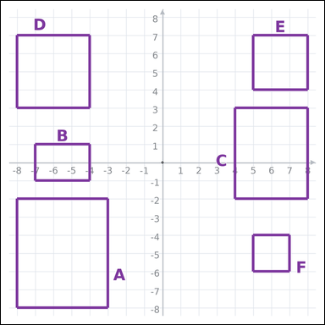 | 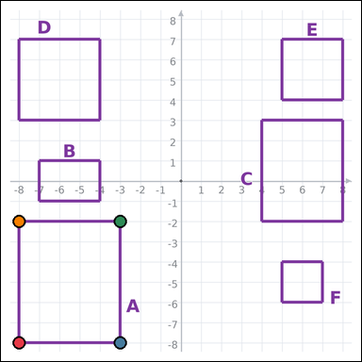 | task_geometry_comparison_perimeter | rectangle_set | Work from the graph-paper image showing several labeled rectangles. Task: Which labeled rectangle has the greatest perimeter? Return a valid JSON object with keys "evidence" and "answer" in that order. Evidence format: set "evidence" to an array of exactly four graph-paper points for the winning rectangle vertices. Answer requirement: set "answer" to the single-letter label of the correct rectangle. Example JSON: {"evidence":[[0,0],[4,0],[4,2],[0,2]],"answer":"B"} | Work from the graph-paper image showing several labeled rectangles. Task: Which labeled rectangle has the greatest perimeter? Return a valid JSON object with key "answer". Answer format: set "answer" to the single-letter label of the correct rectangle. Example JSON: {"answer":"B"} | {"evidence": [[-8, -8], [-3, -8], [-3, -2], [-8, -2]], "answer": "A"} | [[-8, -8], [-3, -8], [-3, -2], [-8, -2]] | option_letter | graph_point_set | 2.1967985212E+15 | geometry/task_geometry_comparison_perimeter/images/default/0000.png | geometry/task_geometry_comparison_perimeter/data/default/0000.json
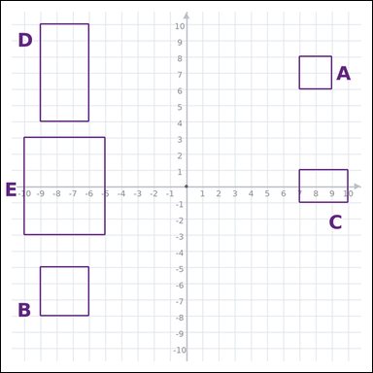 | 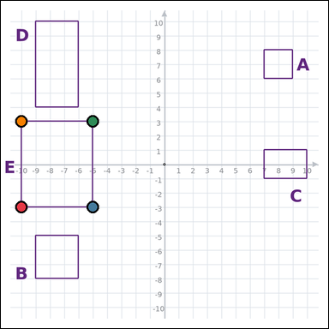 | task_geometry_comparison_perimeter | rectangle_set | Use the graph-paper diagram showing several labeled rectangles. Which labeled rectangle has the greatest perimeter? Return a valid JSON object with keys "evidence" and "answer" in that order. Evidence: set "evidence" to an array of exactly four graph-paper points for the winning rectangle vertices. Answer: set "answer" to the single-letter label of the correct rectangle. Example JSON: {"evidence":[[0,0],[4,0],[4,2],[0,2]],"answer":"B"} | Use the graph-paper diagram showing several labeled rectangles. Which labeled rectangle has the greatest perimeter? Return a valid JSON object with key "answer". Answer field: set "answer" to the single-letter label of the correct rectangle. Example JSON: {"answer":"B"} | {"evidence": [[-10, -3], [-5, -3], [-5, 3], [-10, 3]], "answer": "E"} | [[-10, -3], [-5, -3], [-5, 3], [-10, 3]] | option_letter | graph_point_set | 2.6803260672E+15 | geometry/task_geometry_comparison_perimeter/images/default/0018.png | geometry/task_geometry_comparison_perimeter/data/default/0018.json
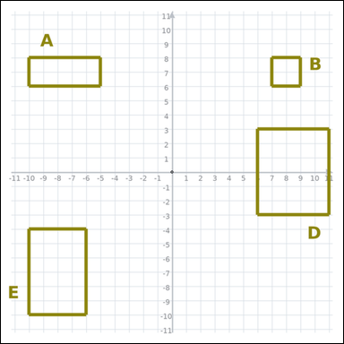 | 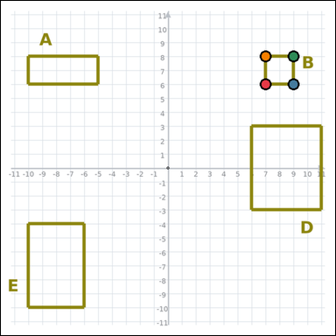 | task_geometry_comparison_perimeter | rectangle_set | Use the graph-paper diagram showing several labeled rectangles. Task: Which labeled rectangle has the smallest perimeter? Return a valid JSON object with keys "evidence" and "answer" in that order. Evidence: set "evidence" to an array of exactly four graph-paper points for the winning rectangle vertices. Answer: set "answer" to the single-letter label of the correct rectangle. Example JSON: {"evidence":[[0,0],[4,0],[4,2],[0,2]],"answer":"B"} | Use the graph-paper diagram showing several labeled rectangles. Task: Which labeled rectangle has the smallest perimeter? Return a valid JSON object with key "answer". Answer format: set "answer" to the single-letter label of the correct rectangle. Example JSON: {"answer":"B"} | {"evidence": [[7, 6], [9, 6], [9, 8], [7, 8]], "answer": "B"} | [[7, 6], [9, 6], [9, 8], [7, 8]] | option_letter | graph_point_set | 2.8810144251E+15 | geometry/task_geometry_comparison_perimeter/images/default/0012.png | geometry/task_geometry_comparison_perimeter/data/default/0012.json
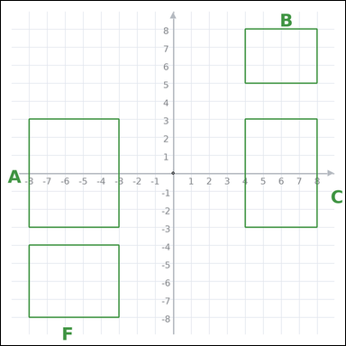 | 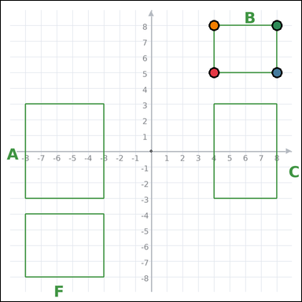 | task_geometry_comparison_perimeter | rectangle_set | Use the graph-paper diagram showing several labeled rectangles. Question: Which labeled rectangle has the smallest perimeter? Return a valid JSON object with keys "evidence" and "answer" in that order. Evidence requirement: set "evidence" to an array of exactly four graph-paper points for the winning rectangle vertices. Answer format: set "answer" to the single-letter label of the correct rectangle. Example JSON: {"evidence":[[0,0],[4,0],[4,2],[0,2]],"answer":"B"} | Use the graph-paper diagram showing several labeled rectangles. Question: Which labeled rectangle has the smallest perimeter? Return a valid JSON object with key "answer". Answer: set "answer" to the single-letter label of the correct rectangle. Example JSON: {"answer":"B"} | {"evidence": [[4, 5], [8, 5], [8, 8], [4, 8]], "answer": "B"} | [[4, 5], [8, 5], [8, 8], [4, 8]] | option_letter | graph_point_set | 3.4396876096E+15 | geometry/task_geometry_comparison_perimeter/images/default/0014.png | geometry/task_geometry_comparison_perimeter/data/default/0014.json
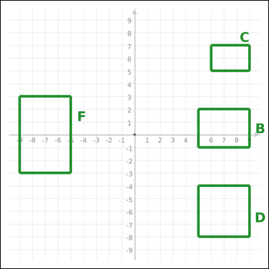 | 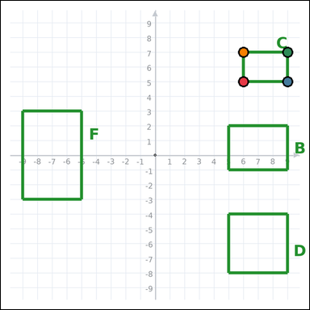 | task_geometry_comparison_perimeter | rectangle_set | The graph-paper image shows several labeled rectangles. Determine the answer: Which labeled rectangle has the smallest perimeter? Return a valid JSON object with keys "evidence" and "answer" in that order. Evidence rule: set "evidence" to an array of exactly four graph-paper points for the winning rectangle vertices. Answer rule: set "answer" to the single-letter label of the correct rectangle. Example JSON: {"evidence":[[0,0],[4,0],[4,2],[0,2]],"answer":"B"} | The graph-paper image shows several labeled rectangles. Determine the answer: Which labeled rectangle has the smallest perimeter? Return a valid JSON object with key "answer". Answer rule: set "answer" to the single-letter label of the correct rectangle. Example JSON: {"answer":"B"} | {"evidence": [[6, 5], [9, 5], [9, 7], [6, 7]], "answer": "C"} | [[6, 5], [9, 5], [9, 7], [6, 7]] | option_letter | graph_point_set | 4.0560080208E+15 | geometry/task_geometry_comparison_perimeter/images/default/0024.png | geometry/task_geometry_comparison_perimeter/data/default/0024.json
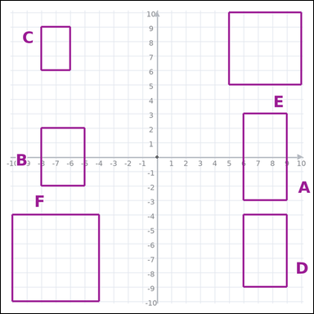 | 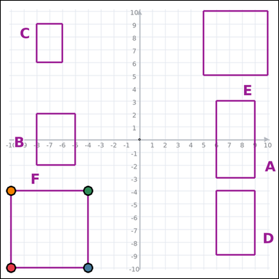 | task_geometry_comparison_perimeter | rectangle_set | Look at the graph-paper image showing several labeled rectangles. Question: Which labeled rectangle has the greatest perimeter? Return a valid JSON object with keys "evidence" and "answer" in that order. Evidence rule: set "evidence" to an array of exactly four graph-paper points for the winning rectangle vertices. Answer rule: set "answer" to the single-letter label of the correct rectangle. Example JSON: {"evidence":[[0,0],[4,0],[4,2],[0,2]],"answer":"B"} | Look at the graph-paper image showing several labeled rectangles. Question: Which labeled rectangle has the greatest perimeter? Return a valid JSON object with key "answer". Answer: set "answer" to the single-letter label of the correct rectangle. Example JSON: {"answer":"B"} | {"evidence": [[-10, -10], [-4, -10], [-4, -4], [-10, -4]], "answer": "F"} | [[-10, -10], [-4, -10], [-4, -4], [-10, -4]] | option_letter | graph_point_set | 4.1071489209E+15 | geometry/task_geometry_comparison_perimeter/images/default/0022.png | geometry/task_geometry_comparison_perimeter/data/default/0022.json
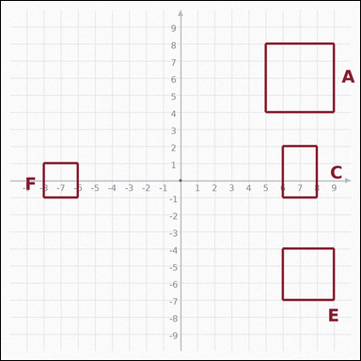 | 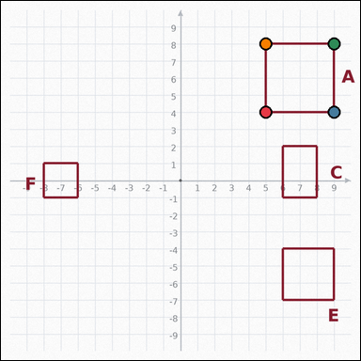 | task_geometry_comparison_perimeter | rectangle_set | The graph-paper image shows several labeled rectangles. Task: Which labeled rectangle has the greatest perimeter? Return a valid JSON object with keys "evidence" and "answer" in that order. Evidence rule: set "evidence" to an array of exactly four graph-paper points for the winning rectangle vertices. Answer rule: set "answer" to the single-letter label of the correct rectangle. Example JSON: {"evidence":[[0,0],[4,0],[4,2],[0,2]],"answer":"B"} | The graph-paper image shows several labeled rectangles. Task: Which labeled rectangle has the greatest perimeter? Return a valid JSON object with key "answer". Answer requirement: set "answer" to the single-letter label of the correct rectangle. Example JSON: {"answer":"B"} | {"evidence": [[5, 4], [9, 4], [9, 8], [5, 8]], "answer": "A"} | [[5, 4], [9, 4], [9, 8], [5, 8]] | option_letter | graph_point_set | 4.2503545116E+15 | geometry/task_geometry_comparison_perimeter/images/default/0016.png | geometry/task_geometry_comparison_perimeter/data/default/0016.json
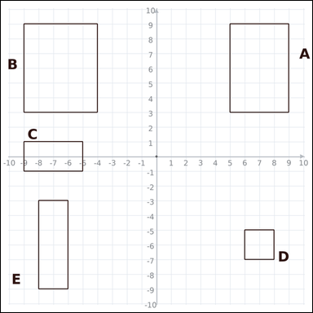 | 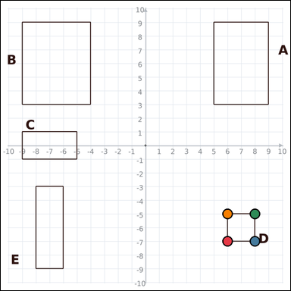 | task_geometry_comparison_perimeter | rectangle_set | The graph-paper image shows several labeled rectangles. Question: Which labeled rectangle has the smallest perimeter? Return a valid JSON object with keys "evidence" and "answer" in that order. Evidence format: set "evidence" to an array of exactly four graph-paper points for the winning rectangle vertices. Answer requirement: set "answer" to the single-letter label of the correct rectangle. Example JSON: {"evidence":[[0,0],[4,0],[4,2],[0,2]],"answer":"B"} | The graph-paper image shows several labeled rectangles. Question: Which labeled rectangle has the smallest perimeter? Return a valid JSON object with key "answer". Answer requirement: set "answer" to the single-letter label of the correct rectangle. Example JSON: {"answer":"B"} | {"evidence": [[6, -7], [8, -7], [8, -5], [6, -5]], "answer": "D"} | [[6, -7], [8, -7], [8, -5], [6, -5]] | option_letter | graph_point_set | 4.4175685611E+15 | geometry/task_geometry_comparison_perimeter/images/default/0006.png | geometry/task_geometry_comparison_perimeter/data/default/0006.json
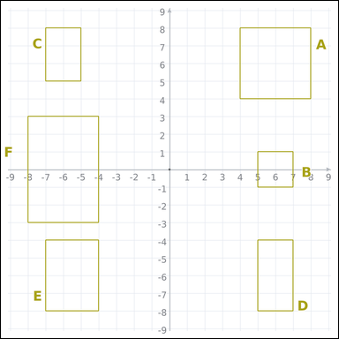 | 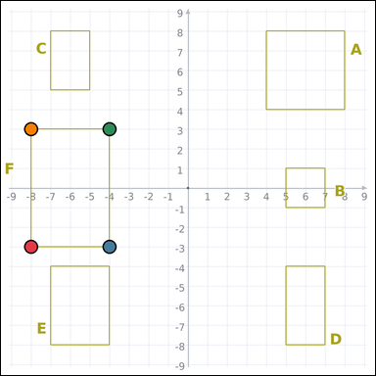 | task_geometry_comparison_perimeter | rectangle_set | The graph-paper image shows several labeled rectangles. Question: Which labeled rectangle has the greatest perimeter? Return a valid JSON object with keys "evidence" and "answer" in that order. Evidence rule: set "evidence" to an array of exactly four graph-paper points for the winning rectangle vertices. Answer rule: set "answer" to the single-letter label of the correct rectangle. Example JSON: {"evidence":[[0,0],[4,0],[4,2],[0,2]],"answer":"B"} | The graph-paper image shows several labeled rectangles. Question: Which labeled rectangle has the greatest perimeter? Return a valid JSON object with key "answer". Answer: set "answer" to the single-letter label of the correct rectangle. Example JSON: {"answer":"B"} | {"evidence": [[-8, -3], [-4, -3], [-4, 3], [-8, 3]], "answer": "F"} | [[-8, -3], [-4, -3], [-4, 3], [-8, 3]] | option_letter | graph_point_set | 5.0707010932E+15 | geometry/task_geometry_comparison_perimeter/images/default/0001.png | geometry/task_geometry_comparison_perimeter/data/default/0001.json
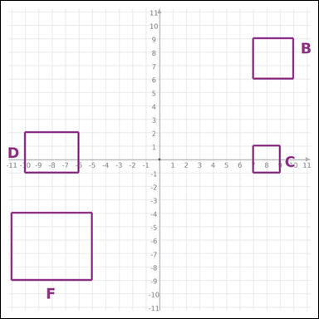 | 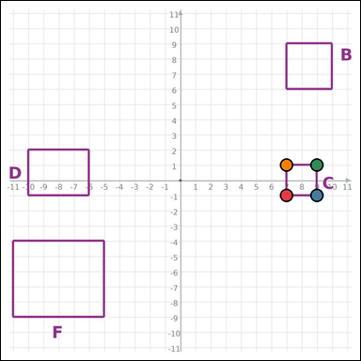 | task_geometry_comparison_perimeter | rectangle_set | Work from the graph-paper image showing several labeled rectangles. Which labeled rectangle has the smallest perimeter? Return a valid JSON object with keys "evidence" and "answer" in that order. Evidence rule: set "evidence" to an array of exactly four graph-paper points for the winning rectangle vertices. Answer rule: set "answer" to the single-letter label of the correct rectangle. Example JSON: {"evidence":[[0,0],[4,0],[4,2],[0,2]],"answer":"B"} | Work from the graph-paper image showing several labeled rectangles. Which labeled rectangle has the smallest perimeter? Return a valid JSON object with key "answer". Answer format: set "answer" to the single-letter label of the correct rectangle. Example JSON: {"answer":"B"} | {"evidence": [[7, -1], [9, -1], [9, 1], [7, 1]], "answer": "C"} | [[7, -1], [9, -1], [9, 1], [7, 1]] | option_letter | graph_point_set | 5.1833376465E+15 | geometry/task_geometry_comparison_perimeter/images/default/0011.png | geometry/task_geometry_comparison_perimeter/data/default/0011.json
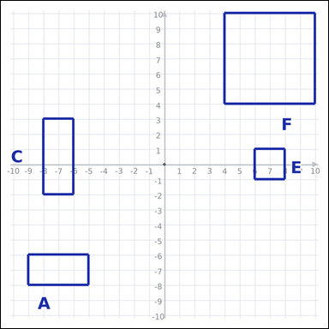 | 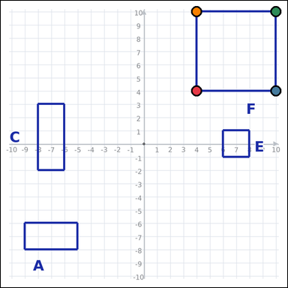 | task_geometry_comparison_perimeter | rectangle_set | The graph-paper image shows several labeled rectangles. Which labeled rectangle has the greatest perimeter? Return a valid JSON object with keys "evidence" and "answer" in that order. Evidence rule: set "evidence" to an array of exactly four graph-paper points for the winning rectangle vertices. Answer rule: set "answer" to the single-letter label of the correct rectangle. Example JSON: {"evidence":[[0,0],[4,0],[4,2],[0,2]],"answer":"B"} | The graph-paper image shows several labeled rectangles. Which labeled rectangle has the greatest perimeter? Return a valid JSON object with key "answer". Answer format: set "answer" to the single-letter label of the correct rectangle. Example JSON: {"answer":"B"} | {"evidence": [[4, 4], [10, 4], [10, 10], [4, 10]], "answer": "F"} | [[4, 4], [10, 4], [10, 10], [4, 10]] | option_letter | graph_point_set | 5.4014274564E+15 | geometry/task_geometry_comparison_perimeter/images/default/0023.png | geometry/task_geometry_comparison_perimeter/data/default/0023.json
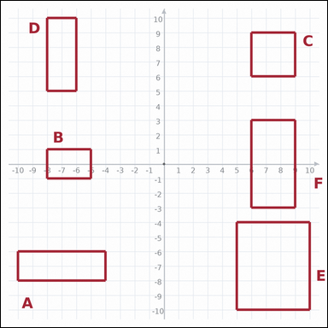 | 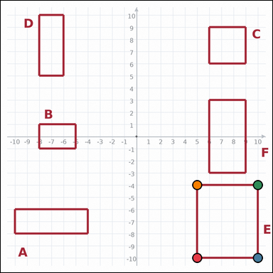 | task_geometry_comparison_perimeter | rectangle_set | The graph-paper image shows several labeled rectangles. Which labeled rectangle has the greatest perimeter? Return a valid JSON object with keys "evidence" and "answer" in that order. Evidence requirement: set "evidence" to an array of exactly four graph-paper points for the winning rectangle vertices. Answer format: set "answer" to the single-letter label of the correct rectangle. Example JSON: {"evidence":[[0,0],[4,0],[4,2],[0,2]],"answer":"B"} | The graph-paper image shows several labeled rectangles. Which labeled rectangle has the greatest perimeter? Return a valid JSON object with key "answer". Answer field: set "answer" to the single-letter label of the correct rectangle. Example JSON: {"answer":"B"} | {"evidence": [[5, -10], [10, -10], [10, -4], [5, -4]], "answer": "E"} | [[5, -10], [10, -10], [10, -4], [5, -4]] | option_letter | graph_point_set | 6.275103822E+15 | geometry/task_geometry_comparison_perimeter/images/default/0021.png | geometry/task_geometry_comparison_perimeter/data/default/0021.json
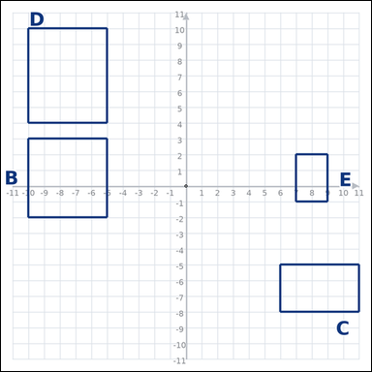 | 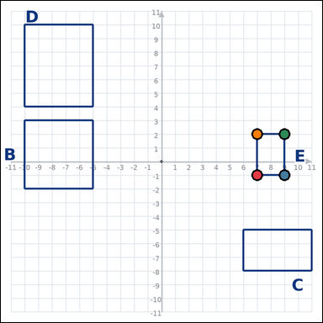 | task_geometry_comparison_perimeter | rectangle_set | Use the graph-paper diagram showing several labeled rectangles. Which labeled rectangle has the smallest perimeter? Return a valid JSON object with keys "evidence" and "answer" in that order. Evidence format: set "evidence" to an array of exactly four graph-paper points for the winning rectangle vertices. Answer requirement: set "answer" to the single-letter label of the correct rectangle. Example JSON: {"evidence":[[0,0],[4,0],[4,2],[0,2]],"answer":"B"} | Use the graph-paper diagram showing several labeled rectangles. Which labeled rectangle has the smallest perimeter? Return a valid JSON object with key "answer". Answer requirement: set "answer" to the single-letter label of the correct rectangle. Example JSON: {"answer":"B"} | {"evidence": [[7, -1], [9, -1], [9, 2], [7, 2]], "answer": "E"} | [[7, -1], [9, -1], [9, 2], [7, 2]] | option_letter | graph_point_set | 7.4284794159E+15 | geometry/task_geometry_comparison_perimeter/images/default/0009.png | geometry/task_geometry_comparison_perimeter/data/default/0009.json
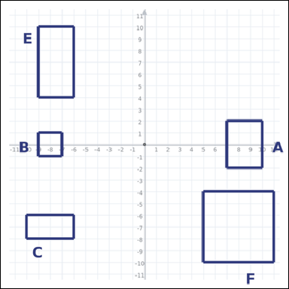 | 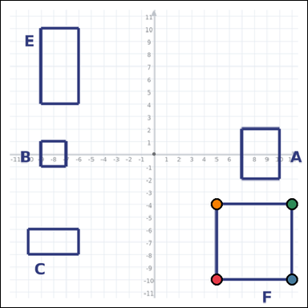 | task_geometry_comparison_perimeter | rectangle_set | Work from the graph-paper image showing several labeled rectangles. Which labeled rectangle has the greatest perimeter? Return a valid JSON object with keys "evidence" and "answer" in that order. Evidence rule: set "evidence" to an array of exactly four graph-paper points for the winning rectangle vertices. Answer rule: set "answer" to the single-letter label of the correct rectangle. Example JSON: {"evidence":[[0,0],[4,0],[4,2],[0,2]],"answer":"B"} | Work from the graph-paper image showing several labeled rectangles. Which labeled rectangle has the greatest perimeter? Return a valid JSON object with key "answer". Answer field: set "answer" to the single-letter label of the correct rectangle. Example JSON: {"answer":"B"} | {"evidence": [[5, -10], [11, -10], [11, -4], [5, -4]], "answer": "F"} | [[5, -10], [11, -10], [11, -4], [5, -4]] | option_letter | graph_point_set | 8.5538949316E+15 | geometry/task_geometry_comparison_perimeter/images/default/0015.png | geometry/task_geometry_comparison_perimeter/data/default/0015.json
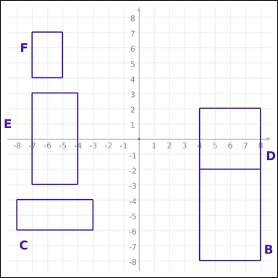 | 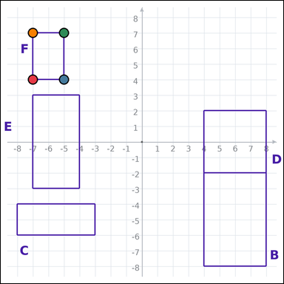 | task_geometry_comparison_perimeter | rectangle_set | Work from the graph-paper image showing several labeled rectangles. Answer this question: Which labeled rectangle has the smallest perimeter? Return a valid JSON object with keys "evidence" and "answer" in that order. Evidence: set "evidence" to an array of exactly four graph-paper points for the winning rectangle vertices. Answer: set "answer" to the single-letter label of the correct rectangle. Example JSON: {"evidence":[[0,0],[4,0],[4,2],[0,2]],"answer":"B"} | Work from the graph-paper image showing several labeled rectangles. Answer this question: Which labeled rectangle has the smallest perimeter? Return a valid JSON object with key "answer". Answer rule: set "answer" to the single-letter label of the correct rectangle. Example JSON: {"answer":"B"} | {"evidence": [[-7, 4], [-5, 4], [-5, 7], [-7, 7]], "answer": "F"} | [[-7, 4], [-5, 4], [-5, 7], [-7, 7]] | option_letter | graph_point_set | 8.7119537067E+15 | geometry/task_geometry_comparison_perimeter/images/default/0007.png | geometry/task_geometry_comparison_perimeter/data/default/0007.json

