acute_angle
image | evidence_image | task | task_variant | prompt | prompt_answer_only | answer | answer_evidence | answer_type | evidence_type | instance_seed | image_path | data_path
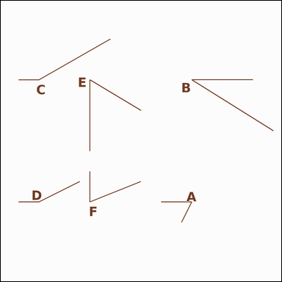 |  | task_geometry_counting_angle | acute_angle | The image shows several labeled angles. Answer this question: How many labeled angles are acute angles? Return a valid JSON object with keys "evidence" and "answer" in that order. Evidence: set "evidence" to a sorted JSON array of the labels of all angles that match the requested type. Answer: set "answer" to the count as an integer. Example JSON: {"evidence":["B","D"],"answer":2} | The image shows several labeled angles. Answer this question: How many labeled angles are acute angles? Return a valid JSON object with key "answer". Answer field: set "answer" to the count as an integer. Example JSON: {"answer":2} | {"evidence": ["A", "B", "E", "F"], "answer": 4} | ["A", "B", "E", "F"] | integer | label_set | 402290353527324 | geometry/task_geometry_counting_angle/images/acute_angle/0019.png | geometry/task_geometry_counting_angle/data/acute_angle/0019.json
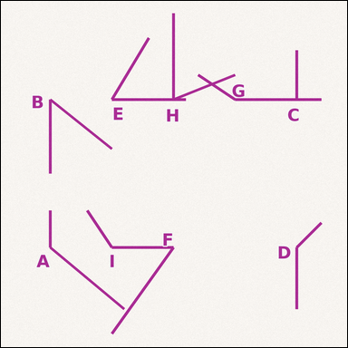 |  | task_geometry_counting_angle | acute_angle | The image shows several labeled angles. Answer this question: How many labeled angles are acute angles? Return a valid JSON object with keys "evidence" and "answer" in that order. Evidence: set "evidence" to a sorted JSON array of the labels of all angles that match the requested type. Answer: set "answer" to the count as an integer. Example JSON: {"evidence":["B","D"],"answer":2} | The image shows several labeled angles. Answer this question: How many labeled angles are acute angles? Return a valid JSON object with key "answer". Answer field: set "answer" to the count as an integer. Example JSON: {"answer":2} | {"evidence": ["B", "E", "F", "H"], "answer": 4} | ["B", "E", "F", "H"] | integer | label_set | 559924388422641 | geometry/task_geometry_counting_angle/images/acute_angle/0014.png | geometry/task_geometry_counting_angle/data/acute_angle/0014.json
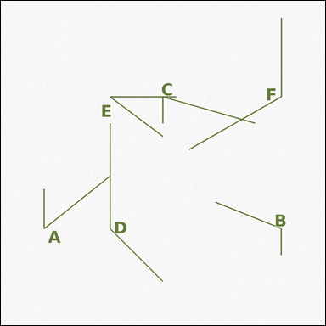 |  | task_geometry_counting_angle | acute_angle | Look at the image showing several labeled angles. Determine the answer: How many labeled angles are acute angles? Return a valid JSON object with keys "evidence" and "answer" in that order. Evidence format: set "evidence" to a sorted JSON array of the labels of all angles that match the requested type. Answer requirement: set "answer" to the count as an integer. Example JSON: {"evidence":["B","D"],"answer":2} | Look at the image showing several labeled angles. Determine the answer: How many labeled angles are acute angles? Return a valid JSON object with key "answer". Answer requirement: set "answer" to the count as an integer. Example JSON: {"answer":2} | {"evidence": ["A", "C", "E"], "answer": 3} | ["A", "C", "E"] | integer | label_set | 697932694868031 | geometry/task_geometry_counting_angle/images/acute_angle/0012.png | geometry/task_geometry_counting_angle/data/acute_angle/0012.json
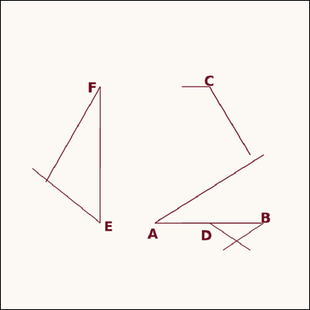 |  | task_geometry_counting_angle | acute_angle | Use the diagram showing several labeled angles. Determine the answer: How many labeled angles are acute angles? Return a valid JSON object with keys "evidence" and "answer" in that order. Evidence field: set "evidence" to a sorted JSON array of the labels of all angles that match the requested type. Answer field: set "answer" to the count as an integer. Example JSON: {"evidence":["B","D"],"answer":2} | Use the diagram showing several labeled angles. Determine the answer: How many labeled angles are acute angles? Return a valid JSON object with key "answer". Answer requirement: set "answer" to the count as an integer. Example JSON: {"answer":2} | {"evidence": ["A", "B", "E", "F"], "answer": 4} | ["A", "B", "E", "F"] | integer | label_set | 1.182620974E+15 | geometry/task_geometry_counting_angle/images/acute_angle/0020.png | geometry/task_geometry_counting_angle/data/acute_angle/0020.json
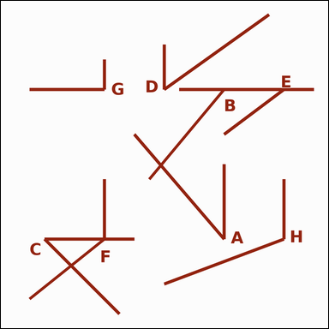 |  | task_geometry_counting_angle | acute_angle | Look at the image showing several labeled angles. Task: How many labeled angles are acute angles? Return a valid JSON object with keys "evidence" and "answer" in that order. Evidence format: set "evidence" to a sorted JSON array of the labels of all angles that match the requested type. Answer requirement: set "answer" to the count as an integer. Example JSON: {"evidence":["B","D"],"answer":2} | Look at the image showing several labeled angles. Task: How many labeled angles are acute angles? Return a valid JSON object with key "answer". Answer field: set "answer" to the count as an integer. Example JSON: {"answer":2} | {"evidence": ["A", "C", "D", "E"], "answer": 4} | ["A", "C", "D", "E"] | integer | label_set | 1.7584281093E+15 | geometry/task_geometry_counting_angle/images/acute_angle/0011.png | geometry/task_geometry_counting_angle/data/acute_angle/0011.json
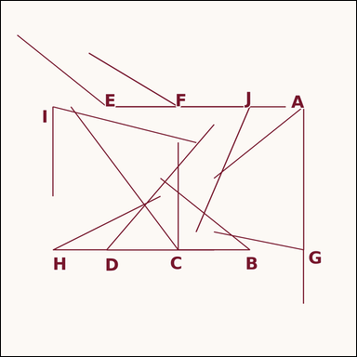 |  | task_geometry_counting_angle | acute_angle | Use the diagram showing several labeled angles. Task: How many labeled angles are acute angles? Return a valid JSON object with keys "evidence" and "answer" in that order. Evidence format: set "evidence" to a sorted JSON array of the labels of all angles that match the requested type. Answer requirement: set "answer" to the count as an integer. Example JSON: {"evidence":["B","D"],"answer":2} | Use the diagram showing several labeled angles. Task: How many labeled angles are acute angles? Return a valid JSON object with key "answer". Answer requirement: set "answer" to the count as an integer. Example JSON: {"answer":2} | {"evidence": ["A", "B", "C", "D", "H", "I", "J"], "answer": 7} | ["A", "B", "C", "D", "H", "I", "J"] | integer | label_set | 2.204439245E+15 | geometry/task_geometry_counting_angle/images/acute_angle/0023.png | geometry/task_geometry_counting_angle/data/acute_angle/0023.json
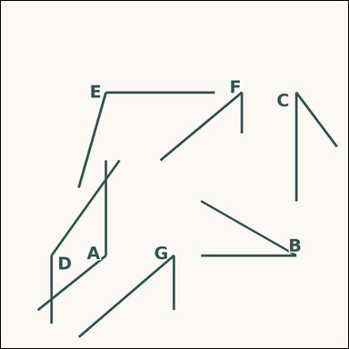 |  | task_geometry_counting_angle | acute_angle | You are given an image showing several labeled angles. Question: How many labeled angles are acute angles? Return a valid JSON object with keys "evidence" and "answer" in that order. Evidence: set "evidence" to a sorted JSON array of the labels of all angles that match the requested type. Answer: set "answer" to the count as an integer. Example JSON: {"evidence":["B","D"],"answer":2} | You are given an image showing several labeled angles. Question: How many labeled angles are acute angles? Return a valid JSON object with key "answer". Answer: set "answer" to the count as an integer. Example JSON: {"answer":2} | {"evidence": ["B", "C", "F", "G"], "answer": 4} | ["B", "C", "F", "G"] | integer | label_set | 2.4763192864E+15 | geometry/task_geometry_counting_angle/images/acute_angle/0009.png | geometry/task_geometry_counting_angle/data/acute_angle/0009.json
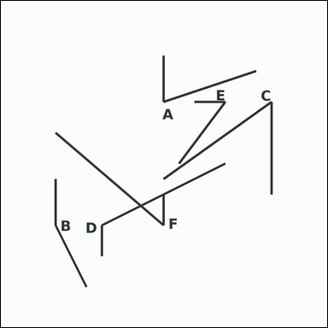 |  | task_geometry_counting_angle | acute_angle | Use the diagram showing several labeled angles. How many labeled angles are acute angles? Return a valid JSON object with keys "evidence" and "answer" in that order. Evidence field: set "evidence" to a sorted JSON array of the labels of all angles that match the requested type. Answer field: set "answer" to the count as an integer. Example JSON: {"evidence":["B","D"],"answer":2} | Use the diagram showing several labeled angles. How many labeled angles are acute angles? Return a valid JSON object with key "answer". Answer: set "answer" to the count as an integer. Example JSON: {"answer":2} | {"evidence": ["A", "C", "E", "F"], "answer": 4} | ["A", "C", "E", "F"] | integer | label_set | 3.1922905864E+15 | geometry/task_geometry_counting_angle/images/acute_angle/0021.png | geometry/task_geometry_counting_angle/data/acute_angle/0021.json
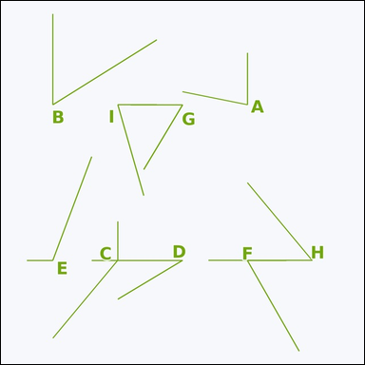 |  | task_geometry_counting_angle | acute_angle | The image shows several labeled angles. Answer this question: How many labeled angles are acute angles? Return a valid JSON object with keys "evidence" and "answer" in that order. Evidence format: set "evidence" to a sorted JSON array of the labels of all angles that match the requested type. Answer requirement: set "answer" to the count as an integer. Example JSON: {"evidence":["B","D"],"answer":2} | The image shows several labeled angles. Answer this question: How many labeled angles are acute angles? Return a valid JSON object with key "answer". Answer: set "answer" to the count as an integer. Example JSON: {"answer":2} | {"evidence": ["A", "B", "D", "F", "G", "H", "I"], "answer": 7} | ["A", "B", "D", "F", "G", "H", "I"] | integer | label_set | 3.3049588446E+15 | geometry/task_geometry_counting_angle/images/acute_angle/0004.png | geometry/task_geometry_counting_angle/data/acute_angle/0004.json
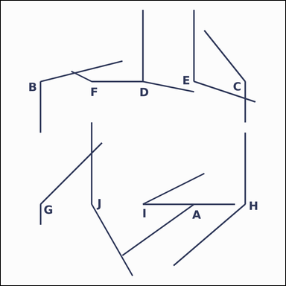 |  | task_geometry_counting_angle | acute_angle | Work from the image showing several labeled angles. Task: How many labeled angles are acute angles? Return a valid JSON object with keys "evidence" and "answer" in that order. Evidence rule: set "evidence" to a sorted JSON array of the labels of all angles that match the requested type. Answer rule: set "answer" to the count as an integer. Example JSON: {"evidence":["B","D"],"answer":2} | Work from the image showing several labeled angles. Task: How many labeled angles are acute angles? Return a valid JSON object with key "answer". Answer: set "answer" to the count as an integer. Example JSON: {"answer":2} | {"evidence": ["I"], "answer": 1} | ["I"] | integer | label_set | 4.1400927197E+15 | geometry/task_geometry_counting_angle/images/acute_angle/0015.png | geometry/task_geometry_counting_angle/data/acute_angle/0015.json
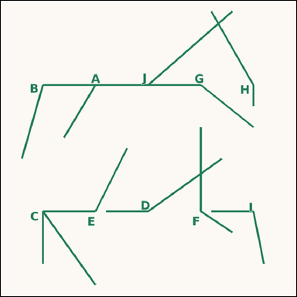 |  | task_geometry_counting_angle | acute_angle | Look at the image showing several labeled angles. Determine the answer: How many labeled angles are acute angles? Return a valid JSON object with keys "evidence" and "answer" in that order. Evidence rule: set "evidence" to a sorted JSON array of the labels of all angles that match the requested type. Answer rule: set "answer" to the count as an integer. Example JSON: {"evidence":["B","D"],"answer":2} | Look at the image showing several labeled angles. Determine the answer: How many labeled angles are acute angles? Return a valid JSON object with key "answer". Answer field: set "answer" to the count as an integer. Example JSON: {"answer":2} | {"evidence": ["C"], "answer": 1} | ["C"] | integer | label_set | 4.1658230313E+15 | geometry/task_geometry_counting_angle/images/acute_angle/0005.png | geometry/task_geometry_counting_angle/data/acute_angle/0005.json
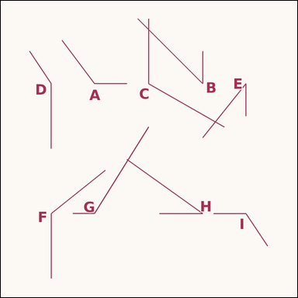 |  | task_geometry_counting_angle | acute_angle | You are given an image showing several labeled angles. Task: How many labeled angles are acute angles? Return a valid JSON object with keys "evidence" and "answer" in that order. Evidence field: set "evidence" to a sorted JSON array of the labels of all angles that match the requested type. Answer field: set "answer" to the count as an integer. Example JSON: {"evidence":["B","D"],"answer":2} | You are given an image showing several labeled angles. Task: How many labeled angles are acute angles? Return a valid JSON object with key "answer". Answer requirement: set "answer" to the count as an integer. Example JSON: {"answer":2} | {"evidence": ["B", "E", "H"], "answer": 3} | ["B", "E", "H"] | integer | label_set | 4.1989582866E+15 | geometry/task_geometry_counting_angle/images/acute_angle/0002.png | geometry/task_geometry_counting_angle/data/acute_angle/0002.json
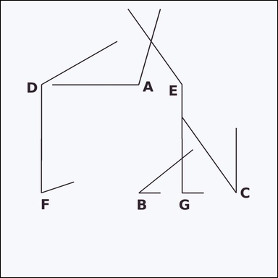 |  | task_geometry_counting_angle | acute_angle | Use the diagram showing several labeled angles. Task: How many labeled angles are acute angles? Return a valid JSON object with keys "evidence" and "answer" in that order. Evidence requirement: set "evidence" to a sorted JSON array of the labels of all angles that match the requested type. Answer format: set "answer" to the count as an integer. Example JSON: {"evidence":["B","D"],"answer":2} | Use the diagram showing several labeled angles. Task: How many labeled angles are acute angles? Return a valid JSON object with key "answer". Answer field: set "answer" to the count as an integer. Example JSON: {"answer":2} | {"evidence": ["B", "C", "F"], "answer": 3} | ["B", "C", "F"] | integer | label_set | 4.6665968447E+15 | geometry/task_geometry_counting_angle/images/acute_angle/0010.png | geometry/task_geometry_counting_angle/data/acute_angle/0010.json
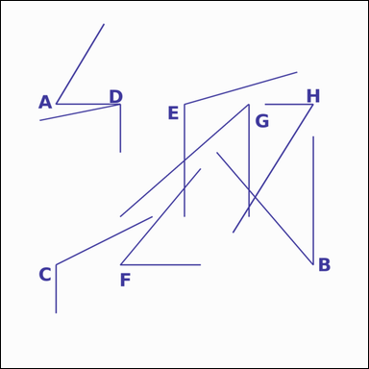 |  | task_geometry_counting_angle | acute_angle | Look at the image showing several labeled angles. How many labeled angles are acute angles? Return a valid JSON object with keys "evidence" and "answer" in that order. Evidence format: set "evidence" to a sorted JSON array of the labels of all angles that match the requested type. Answer requirement: set "answer" to the count as an integer. Example JSON: {"evidence":["B","D"],"answer":2} | Look at the image showing several labeled angles. How many labeled angles are acute angles? Return a valid JSON object with key "answer". Answer field: set "answer" to the count as an integer. Example JSON: {"answer":2} | {"evidence": ["A", "B", "D", "F", "G", "H"], "answer": 6} | ["A", "B", "D", "F", "G", "H"] | integer | label_set | 4.6680667128E+15 | geometry/task_geometry_counting_angle/images/acute_angle/0003.png | geometry/task_geometry_counting_angle/data/acute_angle/0003.json
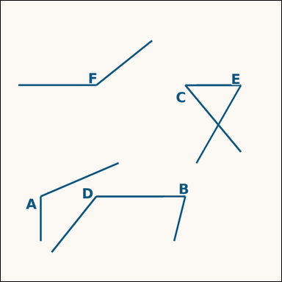 |  | task_geometry_counting_angle | acute_angle | Use the diagram showing several labeled angles. Determine the answer: How many labeled angles are acute angles? Return a valid JSON object with keys "evidence" and "answer" in that order. Evidence field: set "evidence" to a sorted JSON array of the labels of all angles that match the requested type. Answer field: set "answer" to the count as an integer. Example JSON: {"evidence":["B","D"],"answer":2} | Use the diagram showing several labeled angles. Determine the answer: How many labeled angles are acute angles? Return a valid JSON object with key "answer". Answer field: set "answer" to the count as an integer. Example JSON: {"answer":2} | {"evidence": ["B", "C", "E"], "answer": 3} | ["B", "C", "E"] | integer | label_set | 4.9581539639E+15 | geometry/task_geometry_counting_angle/images/acute_angle/0013.png | geometry/task_geometry_counting_angle/data/acute_angle/0013.json
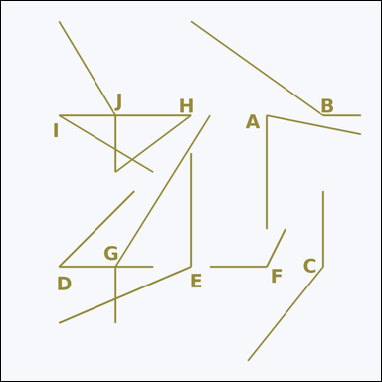 |  | task_geometry_counting_angle | acute_angle | Work from the image showing several labeled angles. Question: How many labeled angles are acute angles? Return a valid JSON object with keys "evidence" and "answer" in that order. Evidence field: set "evidence" to a sorted JSON array of the labels of all angles that match the requested type. Answer field: set "answer" to the count as an integer. Example JSON: {"evidence":["B","D"],"answer":2} | Work from the image showing several labeled angles. Question: How many labeled angles are acute angles? Return a valid JSON object with key "answer". Answer rule: set "answer" to the count as an integer. Example JSON: {"answer":2} | {"evidence": ["A", "D", "H", "I"], "answer": 4} | ["A", "D", "H", "I"] | integer | label_set | 5.2871282635E+15 | geometry/task_geometry_counting_angle/images/acute_angle/0024.png | geometry/task_geometry_counting_angle/data/acute_angle/0024.json
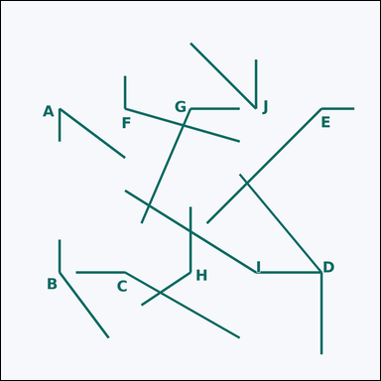 |  | task_geometry_counting_angle | acute_angle | Look at the image showing several labeled angles. How many labeled angles are acute angles? Return a valid JSON object with keys "evidence" and "answer" in that order. Evidence rule: set "evidence" to a sorted JSON array of the labels of all angles that match the requested type. Answer rule: set "answer" to the count as an integer. Example JSON: {"evidence":["B","D"],"answer":2} | Look at the image showing several labeled angles. How many labeled angles are acute angles? Return a valid JSON object with key "answer". Answer format: set "answer" to the count as an integer. Example JSON: {"answer":2} | {"evidence": ["A", "J"], "answer": 2} | ["A", "J"] | integer | label_set | 5.3705462602E+15 | geometry/task_geometry_counting_angle/images/acute_angle/0016.png | geometry/task_geometry_counting_angle/data/acute_angle/0016.json
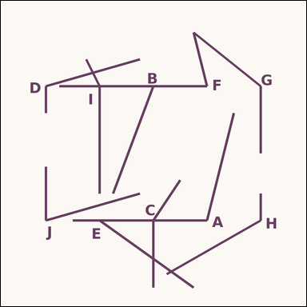 |  | task_geometry_counting_angle | acute_angle | Use the diagram showing several labeled angles. Question: How many labeled angles are acute angles? Return a valid JSON object with keys "evidence" and "answer" in that order. Evidence rule: set "evidence" to a sorted JSON array of the labels of all angles that match the requested type. Answer rule: set "answer" to the count as an integer. Example JSON: {"evidence":["B","D"],"answer":2} | Use the diagram showing several labeled angles. Question: How many labeled angles are acute angles? Return a valid JSON object with key "answer". Answer field: set "answer" to the count as an integer. Example JSON: {"answer":2} | {"evidence": ["B", "F", "J"], "answer": 3} | ["B", "F", "J"] | integer | label_set | 5.4707909667E+15 | geometry/task_geometry_counting_angle/images/acute_angle/0000.png | geometry/task_geometry_counting_angle/data/acute_angle/0000.json
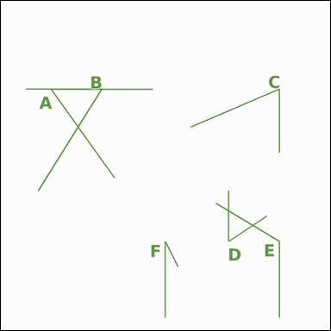 |  | task_geometry_counting_angle | acute_angle | The image shows several labeled angles. How many labeled angles are acute angles? Return a valid JSON object with keys "evidence" and "answer" in that order. Evidence rule: set "evidence" to a sorted JSON array of the labels of all angles that match the requested type. Answer rule: set "answer" to the count as an integer. Example JSON: {"evidence":["B","D"],"answer":2} | The image shows several labeled angles. How many labeled angles are acute angles? Return a valid JSON object with key "answer". Answer requirement: set "answer" to the count as an integer. Example JSON: {"answer":2} | {"evidence": ["A", "B", "C", "D", "F"], "answer": 5} | ["A", "B", "C", "D", "F"] | integer | label_set | 6.8025932834E+15 | geometry/task_geometry_counting_angle/images/acute_angle/0018.png | geometry/task_geometry_counting_angle/data/acute_angle/0018.json
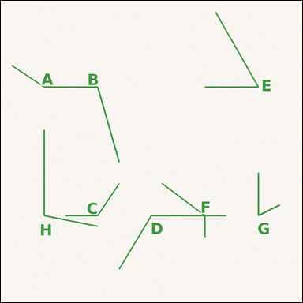 |  | task_geometry_counting_angle | acute_angle | Use the diagram showing several labeled angles. Task: How many labeled angles are acute angles? Return a valid JSON object with keys "evidence" and "answer" in that order. Evidence rule: set "evidence" to a sorted JSON array of the labels of all angles that match the requested type. Answer rule: set "answer" to the count as an integer. Example JSON: {"evidence":["B","D"],"answer":2} | Use the diagram showing several labeled angles. Task: How many labeled angles are acute angles? Return a valid JSON object with key "answer". Answer format: set "answer" to the count as an integer. Example JSON: {"answer":2} | {"evidence": ["E", "G"], "answer": 2} | ["E", "G"] | integer | label_set | 7.1745104868E+15 | geometry/task_geometry_counting_angle/images/acute_angle/0008.png | geometry/task_geometry_counting_angle/data/acute_angle/0008.json
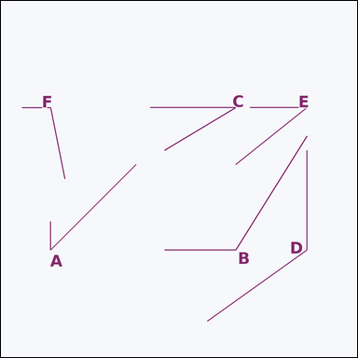 |  | task_geometry_counting_angle | acute_angle | Work from the image showing several labeled angles. Question: How many labeled angles are acute angles? Return a valid JSON object with keys "evidence" and "answer" in that order. Evidence: set "evidence" to a sorted JSON array of the labels of all angles that match the requested type. Answer: set "answer" to the count as an integer. Example JSON: {"evidence":["B","D"],"answer":2} | Work from the image showing several labeled angles. Question: How many labeled angles are acute angles? Return a valid JSON object with key "answer". Answer: set "answer" to the count as an integer. Example JSON: {"answer":2} | {"evidence": ["A", "C", "E"], "answer": 3} | ["A", "C", "E"] | integer | label_set | 7.8937664187E+15 | geometry/task_geometry_counting_angle/images/acute_angle/0007.png | geometry/task_geometry_counting_angle/data/acute_angle/0007.json
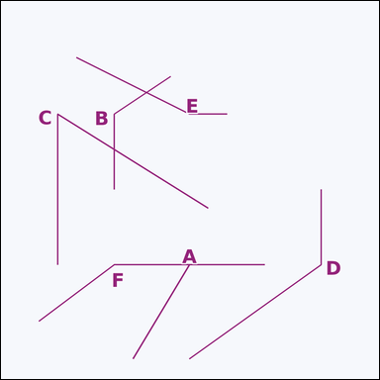 |  | task_geometry_counting_angle | acute_angle | You are given an image showing several labeled angles. Answer this question: How many labeled angles are acute angles? Return a valid JSON object with keys "evidence" and "answer" in that order. Evidence: set "evidence" to a sorted JSON array of the labels of all angles that match the requested type. Answer: set "answer" to the count as an integer. Example JSON: {"evidence":["B","D"],"answer":2} | You are given an image showing several labeled angles. Answer this question: How many labeled angles are acute angles? Return a valid JSON object with key "answer". Answer: set "answer" to the count as an integer. Example JSON: {"answer":2} | {"evidence": ["C"], "answer": 1} | ["C"] | integer | label_set | 8.1734212731E+15 | geometry/task_geometry_counting_angle/images/acute_angle/0006.png | geometry/task_geometry_counting_angle/data/acute_angle/0006.json
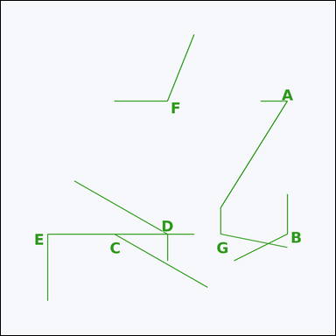 |  | task_geometry_counting_angle | acute_angle | Use the diagram showing several labeled angles. Determine the answer: How many labeled angles are acute angles? Return a valid JSON object with keys "evidence" and "answer" in that order. Evidence requirement: set "evidence" to a sorted JSON array of the labels of all angles that match the requested type. Answer format: set "answer" to the count as an integer. Example JSON: {"evidence":["B","D"],"answer":2} | Use the diagram showing several labeled angles. Determine the answer: How many labeled angles are acute angles? Return a valid JSON object with key "answer". Answer format: set "answer" to the count as an integer. Example JSON: {"answer":2} | {"evidence": ["A", "C"], "answer": 2} | ["A", "C"] | integer | label_set | 8.2665566232E+15 | geometry/task_geometry_counting_angle/images/acute_angle/0017.png | geometry/task_geometry_counting_angle/data/acute_angle/0017.json
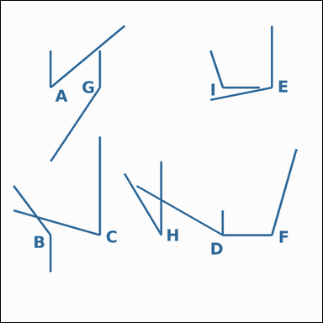 |  | task_geometry_counting_angle | acute_angle | You are given an image showing several labeled angles. How many labeled angles are acute angles? Return a valid JSON object with keys "evidence" and "answer" in that order. Evidence rule: set "evidence" to a sorted JSON array of the labels of all angles that match the requested type. Answer rule: set "answer" to the count as an integer. Example JSON: {"evidence":["B","D"],"answer":2} | You are given an image showing several labeled angles. How many labeled angles are acute angles? Return a valid JSON object with key "answer". Answer: set "answer" to the count as an integer. Example JSON: {"answer":2} | {"evidence": ["A", "C", "D", "H"], "answer": 4} | ["A", "C", "D", "H"] | integer | label_set | 8.3515682049E+15 | geometry/task_geometry_counting_angle/images/acute_angle/0001.png | geometry/task_geometry_counting_angle/data/acute_angle/0001.json
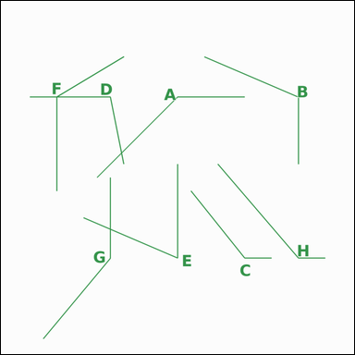 |  | task_geometry_counting_angle | acute_angle | Use the diagram showing several labeled angles. Task: How many labeled angles are acute angles? Return a valid JSON object with keys "evidence" and "answer" in that order. Evidence requirement: set "evidence" to a sorted JSON array of the labels of all angles that match the requested type. Answer format: set "answer" to the count as an integer. Example JSON: {"evidence":["B","D"],"answer":2} | Use the diagram showing several labeled angles. Task: How many labeled angles are acute angles? Return a valid JSON object with key "answer". Answer: set "answer" to the count as an integer. Example JSON: {"answer":2} | {"evidence": ["E"], "answer": 1} | ["E"] | integer | label_set | 8.7677671245E+15 | geometry/task_geometry_counting_angle/images/acute_angle/0022.png | geometry/task_geometry_counting_angle/data/acute_angle/0022.json

obtuse_angle
image | evidence_image | task | task_variant | prompt | prompt_answer_only | answer | answer_evidence | answer_type | evidence_type | instance_seed | image_path | data_path
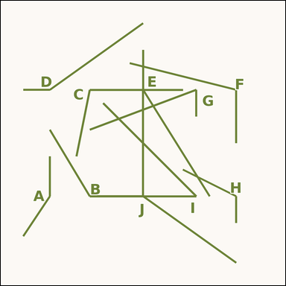 |  | task_geometry_counting_angle | obtuse_angle | The image shows several labeled angles. Answer this question: How many labeled angles are obtuse angles? Return a valid JSON object with keys "evidence" and "answer" in that order. Evidence requirement: set "evidence" to a sorted JSON array of the labels of all angles that match the requested type. Answer format: set "answer" to the count as an integer. Example JSON: {"evidence":["B","D"],"answer":2} | The image shows several labeled angles. Answer this question: How many labeled angles are obtuse angles? Return a valid JSON object with key "answer". Answer field: set "answer" to the count as an integer. Example JSON: {"answer":2} | {"evidence": ["A", "B", "C", "D", "E", "F", "H", "J"], "answer": 8} | ["A", "B", "C", "D", "E", "F", "H", "J"] | integer | label_set | 389483768780309 | geometry/task_geometry_counting_angle/images/obtuse_angle/0018.png | geometry/task_geometry_counting_angle/data/obtuse_angle/0018.json
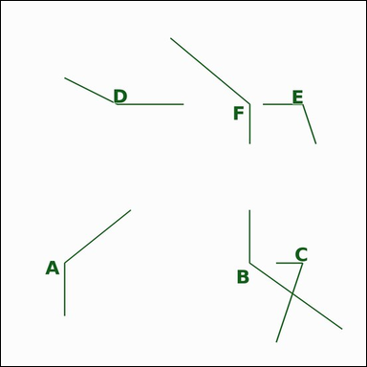 |  | task_geometry_counting_angle | obtuse_angle | Work from the image showing several labeled angles. Determine the answer: How many labeled angles are obtuse angles? Return a valid JSON object with keys "evidence" and "answer" in that order. Evidence requirement: set "evidence" to a sorted JSON array of the labels of all angles that match the requested type. Answer format: set "answer" to the count as an integer. Example JSON: {"evidence":["B","D"],"answer":2} | Work from the image showing several labeled angles. Determine the answer: How many labeled angles are obtuse angles? Return a valid JSON object with key "answer". Answer: set "answer" to the count as an integer. Example JSON: {"answer":2} | {"evidence": ["A", "B", "D", "E", "F"], "answer": 5} | ["A", "B", "D", "E", "F"] | integer | label_set | 963493705079177 | geometry/task_geometry_counting_angle/images/obtuse_angle/0022.png | geometry/task_geometry_counting_angle/data/obtuse_angle/0022.json
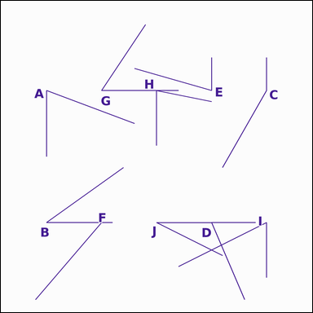 |  | task_geometry_counting_angle | obtuse_angle | Use the diagram showing several labeled angles. Question: How many labeled angles are obtuse angles? Return a valid JSON object with keys "evidence" and "answer" in that order. Evidence field: set "evidence" to a sorted JSON array of the labels of all angles that match the requested type. Answer field: set "answer" to the count as an integer. Example JSON: {"evidence":["B","D"],"answer":2} | Use the diagram showing several labeled angles. Question: How many labeled angles are obtuse angles? Return a valid JSON object with key "answer". Answer rule: set "answer" to the count as an integer. Example JSON: {"answer":2} | {"evidence": ["C"], "answer": 1} | ["C"] | integer | label_set | 2.0128735111E+15 | geometry/task_geometry_counting_angle/images/obtuse_angle/0009.png | geometry/task_geometry_counting_angle/data/obtuse_angle/0009.json
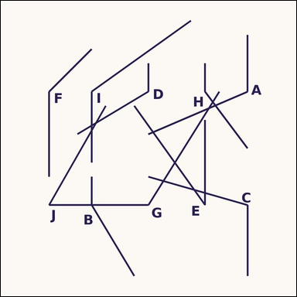 |  | task_geometry_counting_angle | obtuse_angle | Look at the image showing several labeled angles. Determine the answer: How many labeled angles are obtuse angles? Return a valid JSON object with keys "evidence" and "answer" in that order. Evidence: set "evidence" to a sorted JSON array of the labels of all angles that match the requested type. Answer: set "answer" to the count as an integer. Example JSON: {"evidence":["B","D"],"answer":2} | Look at the image showing several labeled angles. Determine the answer: How many labeled angles are obtuse angles? Return a valid JSON object with key "answer". Answer format: set "answer" to the count as an integer. Example JSON: {"answer":2} | {"evidence": ["A", "B", "C", "D", "F", "G", "H", "I"], "answer": 8} | ["A", "B", "C", "D", "F", "G", "H", "I"] | integer | label_set | 2.0226891353E+15 | geometry/task_geometry_counting_angle/images/obtuse_angle/0000.png | geometry/task_geometry_counting_angle/data/obtuse_angle/0000.json
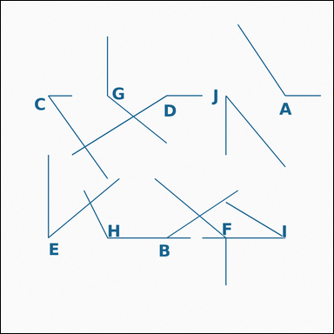 |  | task_geometry_counting_angle | obtuse_angle | The image shows several labeled angles. How many labeled angles are obtuse angles? Return a valid JSON object with keys "evidence" and "answer" in that order. Evidence field: set "evidence" to a sorted JSON array of the labels of all angles that match the requested type. Answer field: set "answer" to the count as an integer. Example JSON: {"evidence":["B","D"],"answer":2} | The image shows several labeled angles. How many labeled angles are obtuse angles? Return a valid JSON object with key "answer". Answer format: set "answer" to the count as an integer. Example JSON: {"answer":2} | {"evidence": ["A", "D", "F", "G", "H"], "answer": 5} | ["A", "D", "F", "G", "H"] | integer | label_set | 2.3659671479E+15 | geometry/task_geometry_counting_angle/images/obtuse_angle/0011.png | geometry/task_geometry_counting_angle/data/obtuse_angle/0011.json
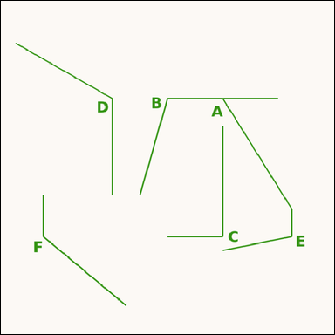 |  | task_geometry_counting_angle | obtuse_angle | Work from the image showing several labeled angles. How many labeled angles are obtuse angles? Return a valid JSON object with keys "evidence" and "answer" in that order. Evidence: set "evidence" to a sorted JSON array of the labels of all angles that match the requested type. Answer: set "answer" to the count as an integer. Example JSON: {"evidence":["B","D"],"answer":2} | Work from the image showing several labeled angles. How many labeled angles are obtuse angles? Return a valid JSON object with key "answer". Answer requirement: set "answer" to the count as an integer. Example JSON: {"answer":2} | {"evidence": ["A", "B", "D", "E", "F"], "answer": 5} | ["A", "B", "D", "E", "F"] | integer | label_set | 2.3944293102E+15 | geometry/task_geometry_counting_angle/images/obtuse_angle/0021.png | geometry/task_geometry_counting_angle/data/obtuse_angle/0021.json
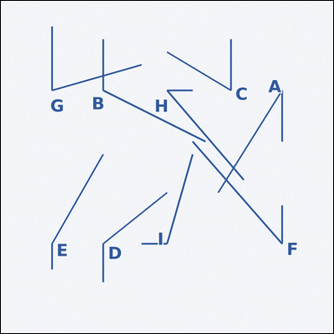 |  | task_geometry_counting_angle | obtuse_angle | Use the diagram showing several labeled angles. How many labeled angles are obtuse angles? Return a valid JSON object with keys "evidence" and "answer" in that order. Evidence format: set "evidence" to a sorted JSON array of the labels of all angles that match the requested type. Answer requirement: set "answer" to the count as an integer. Example JSON: {"evidence":["B","D"],"answer":2} | Use the diagram showing several labeled angles. How many labeled angles are obtuse angles? Return a valid JSON object with key "answer". Answer requirement: set "answer" to the count as an integer. Example JSON: {"answer":2} | {"evidence": ["B", "D", "E", "I"], "answer": 4} | ["B", "D", "E", "I"] | integer | label_set | 2.4649790378E+15 | geometry/task_geometry_counting_angle/images/obtuse_angle/0003.png | geometry/task_geometry_counting_angle/data/obtuse_angle/0003.json
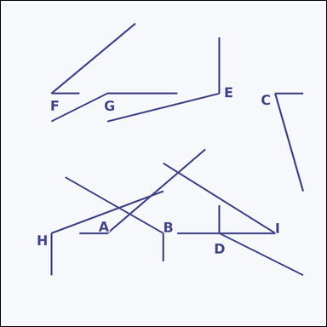 |  | task_geometry_counting_angle | obtuse_angle | Use the diagram showing several labeled angles. How many labeled angles are obtuse angles? Return a valid JSON object with keys "evidence" and "answer" in that order. Evidence requirement: set "evidence" to a sorted JSON array of the labels of all angles that match the requested type. Answer format: set "answer" to the count as an integer. Example JSON: {"evidence":["B","D"],"answer":2} | Use the diagram showing several labeled angles. How many labeled angles are obtuse angles? Return a valid JSON object with key "answer". Answer requirement: set "answer" to the count as an integer. Example JSON: {"answer":2} | {"evidence": ["A", "B", "D", "E", "G", "H"], "answer": 6} | ["A", "B", "D", "E", "G", "H"] | integer | label_set | 3.5379730432E+15 | geometry/task_geometry_counting_angle/images/obtuse_angle/0001.png | geometry/task_geometry_counting_angle/data/obtuse_angle/0001.json
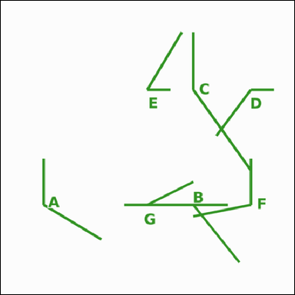 |  | task_geometry_counting_angle | obtuse_angle | Look at the image showing several labeled angles. How many labeled angles are obtuse angles? Return a valid JSON object with keys "evidence" and "answer" in that order. Evidence requirement: set "evidence" to a sorted JSON array of the labels of all angles that match the requested type. Answer format: set "answer" to the count as an integer. Example JSON: {"evidence":["B","D"],"answer":2} | Look at the image showing several labeled angles. How many labeled angles are obtuse angles? Return a valid JSON object with key "answer". Answer format: set "answer" to the count as an integer. Example JSON: {"answer":2} | {"evidence": ["A", "B", "C", "D", "F"], "answer": 5} | ["A", "B", "C", "D", "F"] | integer | label_set | 3.8760011158E+15 | geometry/task_geometry_counting_angle/images/obtuse_angle/0007.png | geometry/task_geometry_counting_angle/data/obtuse_angle/0007.json
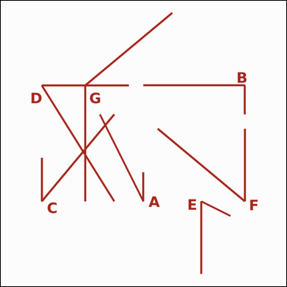 |  | task_geometry_counting_angle | obtuse_angle | You are given an image showing several labeled angles. Answer this question: How many labeled angles are obtuse angles? Return a valid JSON object with keys "evidence" and "answer" in that order. Evidence rule: set "evidence" to a sorted JSON array of the labels of all angles that match the requested type. Answer rule: set "answer" to the count as an integer. Example JSON: {"evidence":["B","D"],"answer":2} | You are given an image showing several labeled angles. Answer this question: How many labeled angles are obtuse angles? Return a valid JSON object with key "answer". Answer requirement: set "answer" to the count as an integer. Example JSON: {"answer":2} | {"evidence": ["G"], "answer": 1} | ["G"] | integer | label_set | 4.3585722328E+15 | geometry/task_geometry_counting_angle/images/obtuse_angle/0015.png | geometry/task_geometry_counting_angle/data/obtuse_angle/0015.json
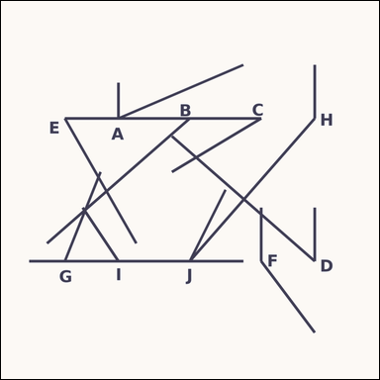 |  | task_geometry_counting_angle | obtuse_angle | Use the diagram showing several labeled angles. How many labeled angles are obtuse angles? Return a valid JSON object with keys "evidence" and "answer" in that order. Evidence requirement: set "evidence" to a sorted JSON array of the labels of all angles that match the requested type. Answer format: set "answer" to the count as an integer. Example JSON: {"evidence":["B","D"],"answer":2} | Use the diagram showing several labeled angles. How many labeled angles are obtuse angles? Return a valid JSON object with key "answer". Answer: set "answer" to the count as an integer. Example JSON: {"answer":2} | {"evidence": ["F", "H"], "answer": 2} | ["F", "H"] | integer | label_set | 4.4334106996E+15 | geometry/task_geometry_counting_angle/images/obtuse_angle/0005.png | geometry/task_geometry_counting_angle/data/obtuse_angle/0005.json
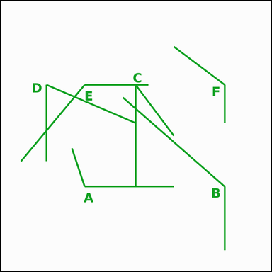 |  | task_geometry_counting_angle | obtuse_angle | Look at the image showing several labeled angles. Question: How many labeled angles are obtuse angles? Return a valid JSON object with keys "evidence" and "answer" in that order. Evidence requirement: set "evidence" to a sorted JSON array of the labels of all angles that match the requested type. Answer format: set "answer" to the count as an integer. Example JSON: {"evidence":["B","D"],"answer":2} | Look at the image showing several labeled angles. Question: How many labeled angles are obtuse angles? Return a valid JSON object with key "answer". Answer format: set "answer" to the count as an integer. Example JSON: {"answer":2} | {"evidence": ["A", "B", "E", "F"], "answer": 4} | ["A", "B", "E", "F"] | integer | label_set | 4.5282618186E+15 | geometry/task_geometry_counting_angle/images/obtuse_angle/0013.png | geometry/task_geometry_counting_angle/data/obtuse_angle/0013.json
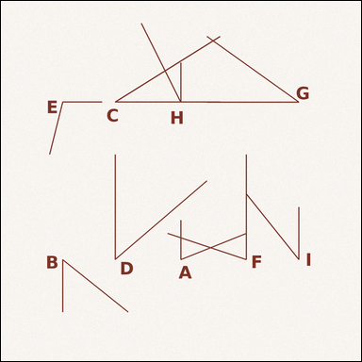 |  | task_geometry_counting_angle | obtuse_angle | The image shows several labeled angles. Question: How many labeled angles are obtuse angles? Return a valid JSON object with keys "evidence" and "answer" in that order. Evidence: set "evidence" to a sorted JSON array of the labels of all angles that match the requested type. Answer: set "answer" to the count as an integer. Example JSON: {"evidence":["B","D"],"answer":2} | The image shows several labeled angles. Question: How many labeled angles are obtuse angles? Return a valid JSON object with key "answer". Answer format: set "answer" to the count as an integer. Example JSON: {"answer":2} | {"evidence": ["E"], "answer": 1} | ["E"] | integer | label_set | 5.295975352E+15 | geometry/task_geometry_counting_angle/images/obtuse_angle/0012.png | geometry/task_geometry_counting_angle/data/obtuse_angle/0012.json
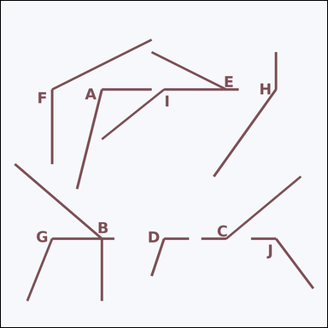 |  | task_geometry_counting_angle | obtuse_angle | The image shows several labeled angles. Answer this question: How many labeled angles are obtuse angles? Return a valid JSON object with keys "evidence" and "answer" in that order. Evidence requirement: set "evidence" to a sorted JSON array of the labels of all angles that match the requested type. Answer format: set "answer" to the count as an integer. Example JSON: {"evidence":["B","D"],"answer":2} | The image shows several labeled angles. Answer this question: How many labeled angles are obtuse angles? Return a valid JSON object with key "answer". Answer: set "answer" to the count as an integer. Example JSON: {"answer":2} | {"evidence": ["A", "B", "C", "D", "F", "G", "H", "I", "J"], "answer": 9} | ["A", "B", "C", "D", "F", "G", "H", "I", "J"] | integer | label_set | 5.6391842465E+15 | geometry/task_geometry_counting_angle/images/obtuse_angle/0024.png | geometry/task_geometry_counting_angle/data/obtuse_angle/0024.json
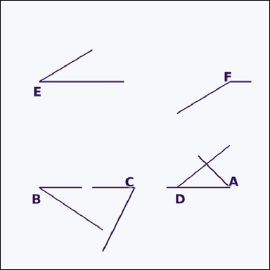 |  | task_geometry_counting_angle | obtuse_angle | You are given an image showing several labeled angles. How many labeled angles are obtuse angles? Return a valid JSON object with keys "evidence" and "answer" in that order. Evidence rule: set "evidence" to a sorted JSON array of the labels of all angles that match the requested type. Answer rule: set "answer" to the count as an integer. Example JSON: {"evidence":["B","D"],"answer":2} | You are given an image showing several labeled angles. How many labeled angles are obtuse angles? Return a valid JSON object with key "answer". Answer requirement: set "answer" to the count as an integer. Example JSON: {"answer":2} | {"evidence": ["F"], "answer": 1} | ["F"] | integer | label_set | 5.7851712907E+15 | geometry/task_geometry_counting_angle/images/obtuse_angle/0008.png | geometry/task_geometry_counting_angle/data/obtuse_angle/0008.json
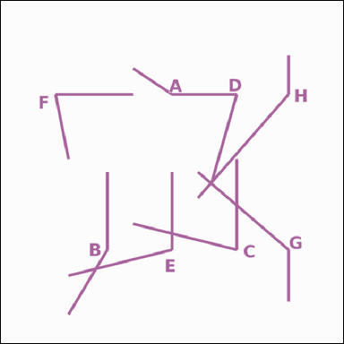 |  | task_geometry_counting_angle | obtuse_angle | The image shows several labeled angles. Task: How many labeled angles are obtuse angles? Return a valid JSON object with keys "evidence" and "answer" in that order. Evidence: set "evidence" to a sorted JSON array of the labels of all angles that match the requested type. Answer: set "answer" to the count as an integer. Example JSON: {"evidence":["B","D"],"answer":2} | The image shows several labeled angles. Task: How many labeled angles are obtuse angles? Return a valid JSON object with key "answer". Answer format: set "answer" to the count as an integer. Example JSON: {"answer":2} | {"evidence": ["A", "B", "E", "G", "H"], "answer": 5} | ["A", "B", "E", "G", "H"] | integer | label_set | 6.1020880007E+15 | geometry/task_geometry_counting_angle/images/obtuse_angle/0019.png | geometry/task_geometry_counting_angle/data/obtuse_angle/0019.json
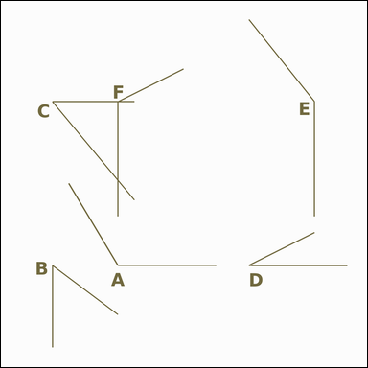 |  | task_geometry_counting_angle | obtuse_angle | The image shows several labeled angles. Answer this question: How many labeled angles are obtuse angles? Return a valid JSON object with keys "evidence" and "answer" in that order. Evidence rule: set "evidence" to a sorted JSON array of the labels of all angles that match the requested type. Answer rule: set "answer" to the count as an integer. Example JSON: {"evidence":["B","D"],"answer":2} | The image shows several labeled angles. Answer this question: How many labeled angles are obtuse angles? Return a valid JSON object with key "answer". Answer field: set "answer" to the count as an integer. Example JSON: {"answer":2} | {"evidence": ["A", "E", "F"], "answer": 3} | ["A", "E", "F"] | integer | label_set | 6.4902708522E+15 | geometry/task_geometry_counting_angle/images/obtuse_angle/0010.png | geometry/task_geometry_counting_angle/data/obtuse_angle/0010.json
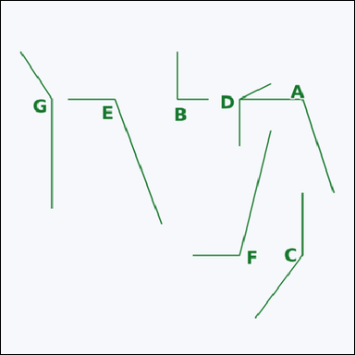 |  | task_geometry_counting_angle | obtuse_angle | Use the diagram showing several labeled angles. Task: How many labeled angles are obtuse angles? Return a valid JSON object with keys "evidence" and "answer" in that order. Evidence: set "evidence" to a sorted JSON array of the labels of all angles that match the requested type. Answer: set "answer" to the count as an integer. Example JSON: {"evidence":["B","D"],"answer":2} | Use the diagram showing several labeled angles. Task: How many labeled angles are obtuse angles? Return a valid JSON object with key "answer". Answer format: set "answer" to the count as an integer. Example JSON: {"answer":2} | {"evidence": ["A", "C", "D", "E", "F", "G"], "answer": 6} | ["A", "C", "D", "E", "F", "G"] | integer | label_set | 7.2748090032E+15 | geometry/task_geometry_counting_angle/images/obtuse_angle/0014.png | geometry/task_geometry_counting_angle/data/obtuse_angle/0014.json
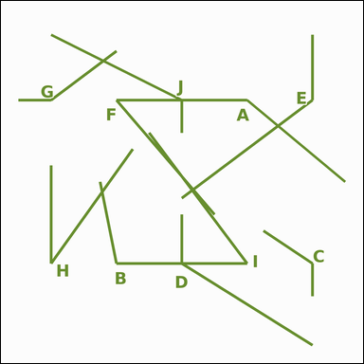 |  | task_geometry_counting_angle | obtuse_angle | You are given an image showing several labeled angles. Determine the answer: How many labeled angles are obtuse angles? Return a valid JSON object with keys "evidence" and "answer" in that order. Evidence: set "evidence" to a sorted JSON array of the labels of all angles that match the requested type. Answer: set "answer" to the count as an integer. Example JSON: {"evidence":["B","D"],"answer":2} | You are given an image showing several labeled angles. Determine the answer: How many labeled angles are obtuse angles? Return a valid JSON object with key "answer". Answer format: set "answer" to the count as an integer. Example JSON: {"answer":2} | {"evidence": ["A", "B", "C", "D", "E", "G", "J"], "answer": 7} | ["A", "B", "C", "D", "E", "G", "J"] | integer | label_set | 8.0740103102E+15 | geometry/task_geometry_counting_angle/images/obtuse_angle/0020.png | geometry/task_geometry_counting_angle/data/obtuse_angle/0020.json
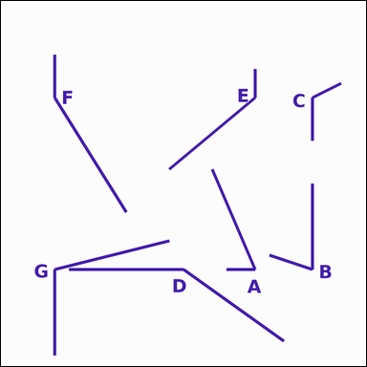 |  | task_geometry_counting_angle | obtuse_angle | The image shows several labeled angles. Question: How many labeled angles are obtuse angles? Return a valid JSON object with keys "evidence" and "answer" in that order. Evidence: set "evidence" to a sorted JSON array of the labels of all angles that match the requested type. Answer: set "answer" to the count as an integer. Example JSON: {"evidence":["B","D"],"answer":2} | The image shows several labeled angles. Question: How many labeled angles are obtuse angles? Return a valid JSON object with key "answer". Answer field: set "answer" to the count as an integer. Example JSON: {"answer":2} | {"evidence": ["C", "D", "E", "F", "G"], "answer": 5} | ["C", "D", "E", "F", "G"] | integer | label_set | 8.3162031123E+15 | geometry/task_geometry_counting_angle/images/obtuse_angle/0016.png | geometry/task_geometry_counting_angle/data/obtuse_angle/0016.json
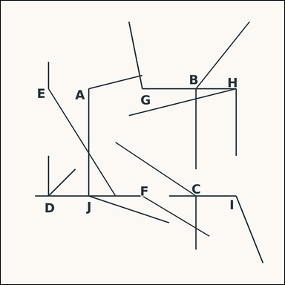 |  | task_geometry_counting_angle | obtuse_angle | You are given an image showing several labeled angles. Question: How many labeled angles are obtuse angles? Return a valid JSON object with keys "evidence" and "answer" in that order. Evidence requirement: set "evidence" to a sorted JSON array of the labels of all angles that match the requested type. Answer format: set "answer" to the count as an integer. Example JSON: {"evidence":["B","D"],"answer":2} | You are given an image showing several labeled angles. Question: How many labeled angles are obtuse angles? Return a valid JSON object with key "answer". Answer format: set "answer" to the count as an integer. Example JSON: {"answer":2} | {"evidence": ["A", "B", "C", "E", "F", "G", "I", "J"], "answer": 8} | ["A", "B", "C", "E", "F", "G", "I", "J"] | integer | label_set | 8.4209955821E+15 | geometry/task_geometry_counting_angle/images/obtuse_angle/0023.png | geometry/task_geometry_counting_angle/data/obtuse_angle/0023.json
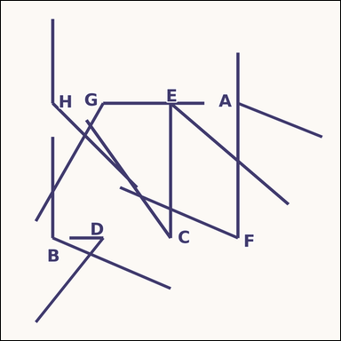 |  | task_geometry_counting_angle | obtuse_angle | You are given an image showing several labeled angles. How many labeled angles are obtuse angles? Return a valid JSON object with keys "evidence" and "answer" in that order. Evidence rule: set "evidence" to a sorted JSON array of the labels of all angles that match the requested type. Answer rule: set "answer" to the count as an integer. Example JSON: {"evidence":["B","D"],"answer":2} | You are given an image showing several labeled angles. How many labeled angles are obtuse angles? Return a valid JSON object with key "answer". Answer format: set "answer" to the count as an integer. Example JSON: {"answer":2} | {"evidence": ["A", "B", "G", "H"], "answer": 4} | ["A", "B", "G", "H"] | integer | label_set | 8.6242924607E+15 | geometry/task_geometry_counting_angle/images/obtuse_angle/0017.png | geometry/task_geometry_counting_angle/data/obtuse_angle/0017.json
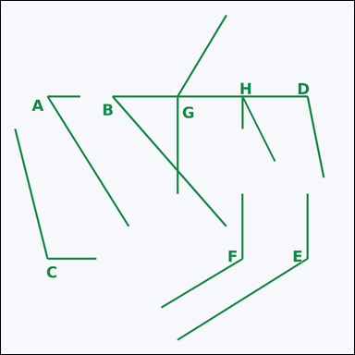 |  | task_geometry_counting_angle | obtuse_angle | The image shows several labeled angles. Task: How many labeled angles are obtuse angles? Return a valid JSON object with keys "evidence" and "answer" in that order. Evidence requirement: set "evidence" to a sorted JSON array of the labels of all angles that match the requested type. Answer format: set "answer" to the count as an integer. Example JSON: {"evidence":["B","D"],"answer":2} | The image shows several labeled angles. Task: How many labeled angles are obtuse angles? Return a valid JSON object with key "answer". Answer field: set "answer" to the count as an integer. Example JSON: {"answer":2} | {"evidence": ["C", "D", "E", "F", "G"], "answer": 5} | ["C", "D", "E", "F", "G"] | integer | label_set | 8.6454056604E+15 | geometry/task_geometry_counting_angle/images/obtuse_angle/0004.png | geometry/task_geometry_counting_angle/data/obtuse_angle/0004.json
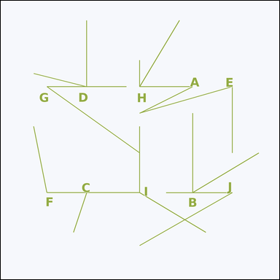 |  | task_geometry_counting_angle | obtuse_angle | Look at the image showing several labeled angles. Question: How many labeled angles are obtuse angles? Return a valid JSON object with keys "evidence" and "answer" in that order. Evidence format: set "evidence" to a sorted JSON array of the labels of all angles that match the requested type. Answer requirement: set "answer" to the count as an integer. Example JSON: {"evidence":["B","D"],"answer":2} | Look at the image showing several labeled angles. Question: How many labeled angles are obtuse angles? Return a valid JSON object with key "answer". Answer rule: set "answer" to the count as an integer. Example JSON: {"answer":2} | {"evidence": ["C", "F", "I"], "answer": 3} | ["C", "F", "I"] | integer | label_set | 8.692734654E+15 | geometry/task_geometry_counting_angle/images/obtuse_angle/0006.png | geometry/task_geometry_counting_angle/data/obtuse_angle/0006.json
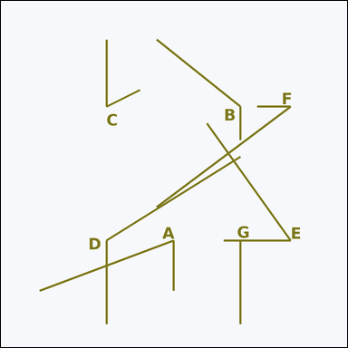 |  | task_geometry_counting_angle | obtuse_angle | Look at the image showing several labeled angles. How many labeled angles are obtuse angles? Return a valid JSON object with keys "evidence" and "answer" in that order. Evidence requirement: set "evidence" to a sorted JSON array of the labels of all angles that match the requested type. Answer format: set "answer" to the count as an integer. Example JSON: {"evidence":["B","D"],"answer":2} | Look at the image showing several labeled angles. How many labeled angles are obtuse angles? Return a valid JSON object with key "answer". Answer format: set "answer" to the count as an integer. Example JSON: {"answer":2} | {"evidence": ["B", "D"], "answer": 2} | ["B", "D"] | integer | label_set | 8.8613561329E+15 | geometry/task_geometry_counting_angle/images/obtuse_angle/0002.png | geometry/task_geometry_counting_angle/data/obtuse_angle/0002.json

right_angle
image | evidence_image | task | task_variant | prompt | prompt_answer_only | answer | answer_evidence | answer_type | evidence_type | instance_seed | image_path | data_path
 |  | task_geometry_counting_angle | right_angle | Look at the image showing several labeled angles. Task: How many labeled angles are right angles? Return a valid JSON object with keys "evidence" and "answer" in that order. Evidence rule: set "evidence" to a sorted JSON array of the labels of all angles that match the requested type. Answer rule: set "answer" to the count as an integer. Example JSON: {"evidence":["B","D"],"answer":2} | Look at the image showing several labeled angles. Task: How many labeled angles are right angles? Return a valid JSON object with key "answer". Answer rule: set "answer" to the count as an integer. Example JSON: {"answer":2} | {"evidence": ["E", "G", "H", "I", "J"], "answer": 5} | ["E", "G", "H", "I", "J"] | integer | label_set | 666064317510982 | geometry/task_geometry_counting_angle/images/right_angle/0020.png | geometry/task_geometry_counting_angle/data/right_angle/0020.json
 |  | task_geometry_counting_angle | right_angle | Use the diagram showing several labeled angles. Task: How many labeled angles are right angles? Return a valid JSON object with keys "evidence" and "answer" in that order. Evidence: set "evidence" to a sorted JSON array of the labels of all angles that match the requested type. Answer: set "answer" to the count as an integer. Example JSON: {"evidence":["B","D"],"answer":2} | Use the diagram showing several labeled angles. Task: How many labeled angles are right angles? Return a valid JSON object with key "answer". Answer requirement: set "answer" to the count as an integer. Example JSON: {"answer":2} | {"evidence": ["A", "B", "D", "E", "F", "H", "I", "J"], "answer": 8} | ["A", "B", "D", "E", "F", "H", "I", "J"] | integer | label_set | 885273774970168 | geometry/task_geometry_counting_angle/images/right_angle/0024.png | geometry/task_geometry_counting_angle/data/right_angle/0024.json
 |  | task_geometry_counting_angle | right_angle | The image shows several labeled angles. Task: How many labeled angles are right angles? Return a valid JSON object with keys "evidence" and "answer" in that order. Evidence requirement: set "evidence" to a sorted JSON array of the labels of all angles that match the requested type. Answer format: set "answer" to the count as an integer. Example JSON: {"evidence":["B","D"],"answer":2} | The image shows several labeled angles. Task: How many labeled angles are right angles? Return a valid JSON object with key "answer". Answer field: set "answer" to the count as an integer. Example JSON: {"answer":2} | {"evidence": ["A"], "answer": 1} | ["A"] | integer | label_set | 960661926222850 | geometry/task_geometry_counting_angle/images/right_angle/0010.png | geometry/task_geometry_counting_angle/data/right_angle/0010.json
 |  | task_geometry_counting_angle | right_angle | The image shows several labeled angles. Answer this question: How many labeled angles are right angles? Return a valid JSON object with keys "evidence" and "answer" in that order. Evidence rule: set "evidence" to a sorted JSON array of the labels of all angles that match the requested type. Answer rule: set "answer" to the count as an integer. Example JSON: {"evidence":["B","D"],"answer":2} | The image shows several labeled angles. Answer this question: How many labeled angles are right angles? Return a valid JSON object with key "answer". Answer format: set "answer" to the count as an integer. Example JSON: {"answer":2} | {"evidence": ["B", "C", "D", "E", "F"], "answer": 5} | ["B", "C", "D", "E", "F"] | integer | label_set | 1.1545516099E+15 | geometry/task_geometry_counting_angle/images/right_angle/0019.png | geometry/task_geometry_counting_angle/data/right_angle/0019.json
 |  | task_geometry_counting_angle | right_angle | Look at the image showing several labeled angles. Question: How many labeled angles are right angles? Return a valid JSON object with keys "evidence" and "answer" in that order. Evidence: set "evidence" to a sorted JSON array of the labels of all angles that match the requested type. Answer: set "answer" to the count as an integer. Example JSON: {"evidence":["B","D"],"answer":2} | Look at the image showing several labeled angles. Question: How many labeled angles are right angles? Return a valid JSON object with key "answer". Answer rule: set "answer" to the count as an integer. Example JSON: {"answer":2} | {"evidence": ["A", "B", "D", "E", "G"], "answer": 5} | ["A", "B", "D", "E", "G"] | integer | label_set | 2.0063998536E+15 | geometry/task_geometry_counting_angle/images/right_angle/0002.png | geometry/task_geometry_counting_angle/data/right_angle/0002.json
 |  | task_geometry_counting_angle | right_angle | The image shows several labeled angles. Question: How many labeled angles are right angles? Return a valid JSON object with keys "evidence" and "answer" in that order. Evidence requirement: set "evidence" to a sorted JSON array of the labels of all angles that match the requested type. Answer format: set "answer" to the count as an integer. Example JSON: {"evidence":["B","D"],"answer":2} | The image shows several labeled angles. Question: How many labeled angles are right angles? Return a valid JSON object with key "answer". Answer rule: set "answer" to the count as an integer. Example JSON: {"answer":2} | {"evidence": ["A", "B", "D", "E", "F", "G"], "answer": 6} | ["A", "B", "D", "E", "F", "G"] | integer | label_set | 2.1175513529E+15 | geometry/task_geometry_counting_angle/images/right_angle/0016.png | geometry/task_geometry_counting_angle/data/right_angle/0016.json
 |  | task_geometry_counting_angle | right_angle | Look at the image showing several labeled angles. Task: How many labeled angles are right angles? Return a valid JSON object with keys "evidence" and "answer" in that order. Evidence requirement: set "evidence" to a sorted JSON array of the labels of all angles that match the requested type. Answer format: set "answer" to the count as an integer. Example JSON: {"evidence":["B","D"],"answer":2} | Look at the image showing several labeled angles. Task: How many labeled angles are right angles? Return a valid JSON object with key "answer". Answer rule: set "answer" to the count as an integer. Example JSON: {"answer":2} | {"evidence": ["A", "B"], "answer": 2} | ["A", "B"] | integer | label_set | 2.3667338336E+15 | geometry/task_geometry_counting_angle/images/right_angle/0012.png | geometry/task_geometry_counting_angle/data/right_angle/0012.json
 |  | task_geometry_counting_angle | right_angle | Use the diagram showing several labeled angles. Task: How many labeled angles are right angles? Return a valid JSON object with keys "evidence" and "answer" in that order. Evidence: set "evidence" to a sorted JSON array of the labels of all angles that match the requested type. Answer: set "answer" to the count as an integer. Example JSON: {"evidence":["B","D"],"answer":2} | Use the diagram showing several labeled angles. Task: How many labeled angles are right angles? Return a valid JSON object with key "answer". Answer rule: set "answer" to the count as an integer. Example JSON: {"answer":2} | {"evidence": ["D", "F", "G"], "answer": 3} | ["D", "F", "G"] | integer | label_set | 2.4972002285E+15 | geometry/task_geometry_counting_angle/images/right_angle/0022.png | geometry/task_geometry_counting_angle/data/right_angle/0022.json
 |  | task_geometry_counting_angle | right_angle | Use the diagram showing several labeled angles. Answer this question: How many labeled angles are right angles? Return a valid JSON object with keys "evidence" and "answer" in that order. Evidence requirement: set "evidence" to a sorted JSON array of the labels of all angles that match the requested type. Answer format: set "answer" to the count as an integer. Example JSON: {"evidence":["B","D"],"answer":2} | Use the diagram showing several labeled angles. Answer this question: How many labeled angles are right angles? Return a valid JSON object with key "answer". Answer: set "answer" to the count as an integer. Example JSON: {"answer":2} | {"evidence": ["E", "F", "I"], "answer": 3} | ["E", "F", "I"] | integer | label_set | 2.8651811972E+15 | geometry/task_geometry_counting_angle/images/right_angle/0011.png | geometry/task_geometry_counting_angle/data/right_angle/0011.json
 |  | task_geometry_counting_angle | right_angle | Work from the image showing several labeled angles. Determine the answer: How many labeled angles are right angles? Return a valid JSON object with keys "evidence" and "answer" in that order. Evidence: set "evidence" to a sorted JSON array of the labels of all angles that match the requested type. Answer: set "answer" to the count as an integer. Example JSON: {"evidence":["B","D"],"answer":2} | Work from the image showing several labeled angles. Determine the answer: How many labeled angles are right angles? Return a valid JSON object with key "answer". Answer requirement: set "answer" to the count as an integer. Example JSON: {"answer":2} | {"evidence": ["A", "C", "D", "E", "F", "G", "H", "I", "J"], "answer": 9} | ["A", "C", "D", "E", "F", "G", "H", "I", "J"] | integer | label_set | 3.4564742346E+15 | geometry/task_geometry_counting_angle/images/right_angle/0007.png | geometry/task_geometry_counting_angle/data/right_angle/0007.json
 |  | task_geometry_counting_angle | right_angle | Look at the image showing several labeled angles. Determine the answer: How many labeled angles are right angles? Return a valid JSON object with keys "evidence" and "answer" in that order. Evidence format: set "evidence" to a sorted JSON array of the labels of all angles that match the requested type. Answer requirement: set "answer" to the count as an integer. Example JSON: {"evidence":["B","D"],"answer":2} | Look at the image showing several labeled angles. Determine the answer: How many labeled angles are right angles? Return a valid JSON object with key "answer". Answer requirement: set "answer" to the count as an integer. Example JSON: {"answer":2} | {"evidence": ["A", "B", "C", "D", "E", "F", "H", "I", "J"], "answer": 9} | ["A", "B", "C", "D", "E", "F", "H", "I", "J"] | integer | label_set | 3.8596256233E+15 | geometry/task_geometry_counting_angle/images/right_angle/0009.png | geometry/task_geometry_counting_angle/data/right_angle/0009.json
 |  | task_geometry_counting_angle | right_angle | You are given an image showing several labeled angles. Task: How many labeled angles are right angles? Return a valid JSON object with keys "evidence" and "answer" in that order. Evidence rule: set "evidence" to a sorted JSON array of the labels of all angles that match the requested type. Answer rule: set "answer" to the count as an integer. Example JSON: {"evidence":["B","D"],"answer":2} | You are given an image showing several labeled angles. Task: How many labeled angles are right angles? Return a valid JSON object with key "answer". Answer format: set "answer" to the count as an integer. Example JSON: {"answer":2} | {"evidence": ["C", "F"], "answer": 2} | ["C", "F"] | integer | label_set | 4.8958593432E+15 | geometry/task_geometry_counting_angle/images/right_angle/0006.png | geometry/task_geometry_counting_angle/data/right_angle/0006.json
 |  | task_geometry_counting_angle | right_angle | You are given an image showing several labeled angles. How many labeled angles are right angles? Return a valid JSON object with keys "evidence" and "answer" in that order. Evidence rule: set "evidence" to a sorted JSON array of the labels of all angles that match the requested type. Answer rule: set "answer" to the count as an integer. Example JSON: {"evidence":["B","D"],"answer":2} | You are given an image showing several labeled angles. How many labeled angles are right angles? Return a valid JSON object with key "answer". Answer: set "answer" to the count as an integer. Example JSON: {"answer":2} | {"evidence": ["G"], "answer": 1} | ["G"] | integer | label_set | 4.9313961199E+15 | geometry/task_geometry_counting_angle/images/right_angle/0003.png | geometry/task_geometry_counting_angle/data/right_angle/0003.json
 |  | task_geometry_counting_angle | right_angle | The image shows several labeled angles. Determine the answer: How many labeled angles are right angles? Return a valid JSON object with keys "evidence" and "answer" in that order. Evidence field: set "evidence" to a sorted JSON array of the labels of all angles that match the requested type. Answer field: set "answer" to the count as an integer. Example JSON: {"evidence":["B","D"],"answer":2} | The image shows several labeled angles. Determine the answer: How many labeled angles are right angles? Return a valid JSON object with key "answer". Answer rule: set "answer" to the count as an integer. Example JSON: {"answer":2} | {"evidence": ["B", "C", "D", "E", "F"], "answer": 5} | ["B", "C", "D", "E", "F"] | integer | label_set | 5.2276933747E+15 | geometry/task_geometry_counting_angle/images/right_angle/0008.png | geometry/task_geometry_counting_angle/data/right_angle/0008.json
 |  | task_geometry_counting_angle | right_angle | Work from the image showing several labeled angles. How many labeled angles are right angles? Return a valid JSON object with keys "evidence" and "answer" in that order. Evidence format: set "evidence" to a sorted JSON array of the labels of all angles that match the requested type. Answer requirement: set "answer" to the count as an integer. Example JSON: {"evidence":["B","D"],"answer":2} | Work from the image showing several labeled angles. How many labeled angles are right angles? Return a valid JSON object with key "answer". Answer requirement: set "answer" to the count as an integer. Example JSON: {"answer":2} | {"evidence": ["D", "E"], "answer": 2} | ["D", "E"] | integer | label_set | 6.2301010704E+15 | geometry/task_geometry_counting_angle/images/right_angle/0018.png | geometry/task_geometry_counting_angle/data/right_angle/0018.json
 |  | task_geometry_counting_angle | right_angle | Look at the image showing several labeled angles. Determine the answer: How many labeled angles are right angles? Return a valid JSON object with keys "evidence" and "answer" in that order. Evidence: set "evidence" to a sorted JSON array of the labels of all angles that match the requested type. Answer: set "answer" to the count as an integer. Example JSON: {"evidence":["B","D"],"answer":2} | Look at the image showing several labeled angles. Determine the answer: How many labeled angles are right angles? Return a valid JSON object with key "answer". Answer rule: set "answer" to the count as an integer. Example JSON: {"answer":2} | {"evidence": ["C"], "answer": 1} | ["C"] | integer | label_set | 6.3890072578E+15 | geometry/task_geometry_counting_angle/images/right_angle/0017.png | geometry/task_geometry_counting_angle/data/right_angle/0017.json
 |  | task_geometry_counting_angle | right_angle | The image shows several labeled angles. Task: How many labeled angles are right angles? Return a valid JSON object with keys "evidence" and "answer" in that order. Evidence field: set "evidence" to a sorted JSON array of the labels of all angles that match the requested type. Answer field: set "answer" to the count as an integer. Example JSON: {"evidence":["B","D"],"answer":2} | The image shows several labeled angles. Task: How many labeled angles are right angles? Return a valid JSON object with key "answer". Answer rule: set "answer" to the count as an integer. Example JSON: {"answer":2} | {"evidence": ["A", "B", "C", "D", "E", "G", "H"], "answer": 7} | ["A", "B", "C", "D", "E", "G", "H"] | integer | label_set | 6.5413360177E+15 | geometry/task_geometry_counting_angle/images/right_angle/0004.png | geometry/task_geometry_counting_angle/data/right_angle/0004.json
 |  | task_geometry_counting_angle | right_angle | Look at the image showing several labeled angles. How many labeled angles are right angles? Return a valid JSON object with keys "evidence" and "answer" in that order. Evidence rule: set "evidence" to a sorted JSON array of the labels of all angles that match the requested type. Answer rule: set "answer" to the count as an integer. Example JSON: {"evidence":["B","D"],"answer":2} | Look at the image showing several labeled angles. How many labeled angles are right angles? Return a valid JSON object with key "answer". Answer format: set "answer" to the count as an integer. Example JSON: {"answer":2} | {"evidence": ["A", "D", "F"], "answer": 3} | ["A", "D", "F"] | integer | label_set | 6.6575440063E+15 | geometry/task_geometry_counting_angle/images/right_angle/0014.png | geometry/task_geometry_counting_angle/data/right_angle/0014.json
 |  | task_geometry_counting_angle | right_angle | Look at the image showing several labeled angles. Task: How many labeled angles are right angles? Return a valid JSON object with keys "evidence" and "answer" in that order. Evidence rule: set "evidence" to a sorted JSON array of the labels of all angles that match the requested type. Answer rule: set "answer" to the count as an integer. Example JSON: {"evidence":["B","D"],"answer":2} | Look at the image showing several labeled angles. Task: How many labeled angles are right angles? Return a valid JSON object with key "answer". Answer: set "answer" to the count as an integer. Example JSON: {"answer":2} | {"evidence": ["A"], "answer": 1} | ["A"] | integer | label_set | 6.7915703594E+15 | geometry/task_geometry_counting_angle/images/right_angle/0001.png | geometry/task_geometry_counting_angle/data/right_angle/0001.json
 |  | task_geometry_counting_angle | right_angle | Look at the image showing several labeled angles. Task: How many labeled angles are right angles? Return a valid JSON object with keys "evidence" and "answer" in that order. Evidence: set "evidence" to a sorted JSON array of the labels of all angles that match the requested type. Answer: set "answer" to the count as an integer. Example JSON: {"evidence":["B","D"],"answer":2} | Look at the image showing several labeled angles. Task: How many labeled angles are right angles? Return a valid JSON object with key "answer". Answer requirement: set "answer" to the count as an integer. Example JSON: {"answer":2} | {"evidence": ["E", "G", "H"], "answer": 3} | ["E", "G", "H"] | integer | label_set | 6.8553164178E+15 | geometry/task_geometry_counting_angle/images/right_angle/0023.png | geometry/task_geometry_counting_angle/data/right_angle/0023.json
 |  | task_geometry_counting_angle | right_angle | You are given an image showing several labeled angles. Answer this question: How many labeled angles are right angles? Return a valid JSON object with keys "evidence" and "answer" in that order. Evidence field: set "evidence" to a sorted JSON array of the labels of all angles that match the requested type. Answer field: set "answer" to the count as an integer. Example JSON: {"evidence":["B","D"],"answer":2} | You are given an image showing several labeled angles. Answer this question: How many labeled angles are right angles? Return a valid JSON object with key "answer". Answer: set "answer" to the count as an integer. Example JSON: {"answer":2} | {"evidence": ["B", "D", "F", "H"], "answer": 4} | ["B", "D", "F", "H"] | integer | label_set | 7.214491894E+15 | geometry/task_geometry_counting_angle/images/right_angle/0015.png | geometry/task_geometry_counting_angle/data/right_angle/0015.json
 |  | task_geometry_counting_angle | right_angle | You are given an image showing several labeled angles. Answer this question: How many labeled angles are right angles? Return a valid JSON object with keys "evidence" and "answer" in that order. Evidence: set "evidence" to a sorted JSON array of the labels of all angles that match the requested type. Answer: set "answer" to the count as an integer. Example JSON: {"evidence":["B","D"],"answer":2} | You are given an image showing several labeled angles. Answer this question: How many labeled angles are right angles? Return a valid JSON object with key "answer". Answer rule: set "answer" to the count as an integer. Example JSON: {"answer":2} | {"evidence": ["A", "B", "E", "G", "H"], "answer": 5} | ["A", "B", "E", "G", "H"] | integer | label_set | 7.601548052E+15 | geometry/task_geometry_counting_angle/images/right_angle/0021.png | geometry/task_geometry_counting_angle/data/right_angle/0021.json
 |  | task_geometry_counting_angle | right_angle | Work from the image showing several labeled angles. Answer this question: How many labeled angles are right angles? Return a valid JSON object with keys "evidence" and "answer" in that order. Evidence field: set "evidence" to a sorted JSON array of the labels of all angles that match the requested type. Answer field: set "answer" to the count as an integer. Example JSON: {"evidence":["B","D"],"answer":2} | Work from the image showing several labeled angles. Answer this question: How many labeled angles are right angles? Return a valid JSON object with key "answer". Answer requirement: set "answer" to the count as an integer. Example JSON: {"answer":2} | {"evidence": ["A", "B", "D", "G", "H", "I"], "answer": 6} | ["A", "B", "D", "G", "H", "I"] | integer | label_set | 7.6022033193E+15 | geometry/task_geometry_counting_angle/images/right_angle/0005.png | geometry/task_geometry_counting_angle/data/right_angle/0005.json
 |  | task_geometry_counting_angle | right_angle | Look at the image showing several labeled angles. Task: How many labeled angles are right angles? Return a valid JSON object with keys "evidence" and "answer" in that order. Evidence field: set "evidence" to a sorted JSON array of the labels of all angles that match the requested type. Answer field: set "answer" to the count as an integer. Example JSON: {"evidence":["B","D"],"answer":2} | Look at the image showing several labeled angles. Task: How many labeled angles are right angles? Return a valid JSON object with key "answer". Answer rule: set "answer" to the count as an integer. Example JSON: {"answer":2} | {"evidence": ["C", "D"], "answer": 2} | ["C", "D"] | integer | label_set | 8.3065605712E+15 | geometry/task_geometry_counting_angle/images/right_angle/0000.png | geometry/task_geometry_counting_angle/data/right_angle/0000.json
 |  | task_geometry_counting_angle | right_angle | Use the diagram showing several labeled angles. Question: How many labeled angles are right angles? Return a valid JSON object with keys "evidence" and "answer" in that order. Evidence rule: set "evidence" to a sorted JSON array of the labels of all angles that match the requested type. Answer rule: set "answer" to the count as an integer. Example JSON: {"evidence":["B","D"],"answer":2} | Use the diagram showing several labeled angles. Question: How many labeled angles are right angles? Return a valid JSON object with key "answer". Answer requirement: set "answer" to the count as an integer. Example JSON: {"answer":2} | {"evidence": ["C"], "answer": 1} | ["C"] | integer | label_set | 8.9914779047E+15 | geometry/task_geometry_counting_angle/images/right_angle/0013.png | geometry/task_geometry_counting_angle/data/right_angle/0013.json

