concave_polygon
image | evidence_image | task | task_variant | prompt | prompt_answer_only | answer | answer_evidence | answer_type | evidence_type | instance_seed | image_path | data_path
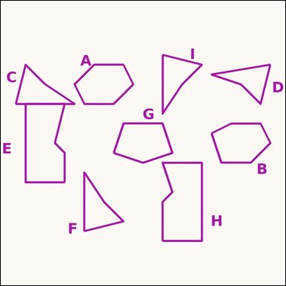 |  | task_geometry_counting_convexity | concave_polygon | The image shows several labeled polygons. Question: How many labeled polygons are concave polygons? Return a valid JSON object with keys "evidence" and "answer" in that order. Evidence: set "evidence" to a sorted JSON array of the labels of all polygons that match the requested type. Answer: set "answer" to the count as an integer. Example JSON: {"evidence":["B","D","G"],"answer":3} | The image shows several labeled polygons. Question: How many labeled polygons are concave polygons? Return a valid JSON object with key "answer". Answer requirement: set "answer" to the count as an integer. Example JSON: {"answer":3} | {"evidence": ["C", "D", "E", "F", "H", "I"], "answer": 6} | ["C", "D", "E", "F", "H", "I"] | integer | label_set | 13145835645083 | geometry/task_geometry_counting_convexity/images/concave_polygon/0020.png | geometry/task_geometry_counting_convexity/data/concave_polygon/0020.json
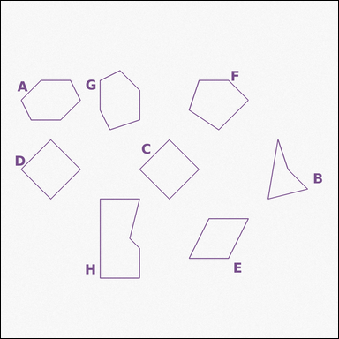 |  | task_geometry_counting_convexity | concave_polygon | Use the diagram showing several labeled polygons. Determine the answer: How many labeled polygons are concave polygons? Return a valid JSON object with keys "evidence" and "answer" in that order. Evidence rule: set "evidence" to a sorted JSON array of the labels of all polygons that match the requested type. Answer rule: set "answer" to the count as an integer. Example JSON: {"evidence":["B","D","G"],"answer":3} | Use the diagram showing several labeled polygons. Determine the answer: How many labeled polygons are concave polygons? Return a valid JSON object with key "answer". Answer requirement: set "answer" to the count as an integer. Example JSON: {"answer":3} | {"evidence": ["B", "H"], "answer": 2} | ["B", "H"] | integer | label_set | 370782045623399 | geometry/task_geometry_counting_convexity/images/concave_polygon/0002.png | geometry/task_geometry_counting_convexity/data/concave_polygon/0002.json
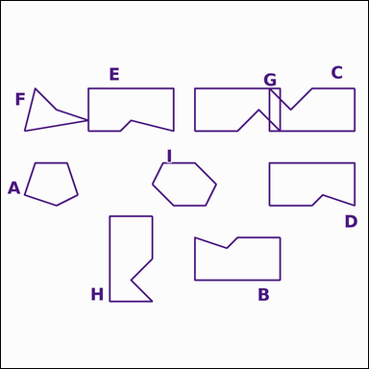 |  | task_geometry_counting_convexity | concave_polygon | The image shows several labeled polygons. Determine the answer: How many labeled polygons are concave polygons? Return a valid JSON object with keys "evidence" and "answer" in that order. Evidence field: set "evidence" to a sorted JSON array of the labels of all polygons that match the requested type. Answer field: set "answer" to the count as an integer. Example JSON: {"evidence":["B","D","G"],"answer":3} | The image shows several labeled polygons. Determine the answer: How many labeled polygons are concave polygons? Return a valid JSON object with key "answer". Answer: set "answer" to the count as an integer. Example JSON: {"answer":3} | {"evidence": ["B", "C", "D", "E", "F", "G", "H"], "answer": 7} | ["B", "C", "D", "E", "F", "G", "H"] | integer | label_set | 372012680900549 | geometry/task_geometry_counting_convexity/images/concave_polygon/0004.png | geometry/task_geometry_counting_convexity/data/concave_polygon/0004.json
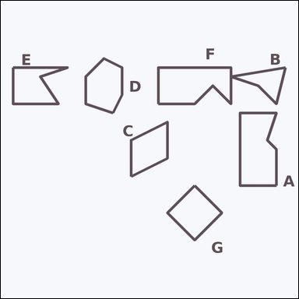 |  | task_geometry_counting_convexity | concave_polygon | Use the diagram showing several labeled polygons. Task: How many labeled polygons are concave polygons? Return a valid JSON object with keys "evidence" and "answer" in that order. Evidence format: set "evidence" to a sorted JSON array of the labels of all polygons that match the requested type. Answer requirement: set "answer" to the count as an integer. Example JSON: {"evidence":["B","D","G"],"answer":3} | Use the diagram showing several labeled polygons. Task: How many labeled polygons are concave polygons? Return a valid JSON object with key "answer". Answer: set "answer" to the count as an integer. Example JSON: {"answer":3} | {"evidence": ["A", "B", "E", "F"], "answer": 4} | ["A", "B", "E", "F"] | integer | label_set | 741501600612027 | geometry/task_geometry_counting_convexity/images/concave_polygon/0015.png | geometry/task_geometry_counting_convexity/data/concave_polygon/0015.json
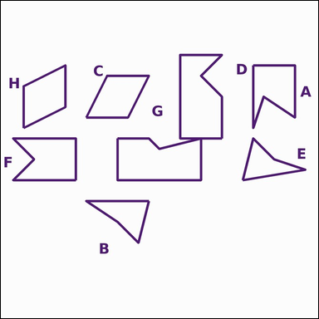 |  | task_geometry_counting_convexity | concave_polygon | Work from the image showing several labeled polygons. Task: How many labeled polygons are concave polygons? Return a valid JSON object with keys "evidence" and "answer" in that order. Evidence format: set "evidence" to a sorted JSON array of the labels of all polygons that match the requested type. Answer requirement: set "answer" to the count as an integer. Example JSON: {"evidence":["B","D","G"],"answer":3} | Work from the image showing several labeled polygons. Task: How many labeled polygons are concave polygons? Return a valid JSON object with key "answer". Answer format: set "answer" to the count as an integer. Example JSON: {"answer":3} | {"evidence": ["A", "B", "D", "E", "F", "G"], "answer": 6} | ["A", "B", "D", "E", "F", "G"] | integer | label_set | 1.8149186669E+15 | geometry/task_geometry_counting_convexity/images/concave_polygon/0012.png | geometry/task_geometry_counting_convexity/data/concave_polygon/0012.json
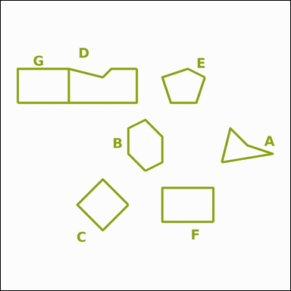 |  | task_geometry_counting_convexity | concave_polygon | Look at the image showing several labeled polygons. Determine the answer: How many labeled polygons are concave polygons? Return a valid JSON object with keys "evidence" and "answer" in that order. Evidence rule: set "evidence" to a sorted JSON array of the labels of all polygons that match the requested type. Answer rule: set "answer" to the count as an integer. Example JSON: {"evidence":["B","D","G"],"answer":3} | Look at the image showing several labeled polygons. Determine the answer: How many labeled polygons are concave polygons? Return a valid JSON object with key "answer". Answer: set "answer" to the count as an integer. Example JSON: {"answer":3} | {"evidence": ["A", "D"], "answer": 2} | ["A", "D"] | integer | label_set | 2.745084997E+15 | geometry/task_geometry_counting_convexity/images/concave_polygon/0008.png | geometry/task_geometry_counting_convexity/data/concave_polygon/0008.json
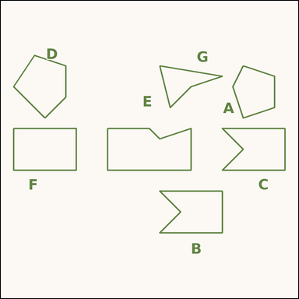 |  | task_geometry_counting_convexity | concave_polygon | Look at the image showing several labeled polygons. Task: How many labeled polygons are concave polygons? Return a valid JSON object with keys "evidence" and "answer" in that order. Evidence rule: set "evidence" to a sorted JSON array of the labels of all polygons that match the requested type. Answer rule: set "answer" to the count as an integer. Example JSON: {"evidence":["B","D","G"],"answer":3} | Look at the image showing several labeled polygons. Task: How many labeled polygons are concave polygons? Return a valid JSON object with key "answer". Answer format: set "answer" to the count as an integer. Example JSON: {"answer":3} | {"evidence": ["B", "C", "E", "G"], "answer": 4} | ["B", "C", "E", "G"] | integer | label_set | 2.8517646672E+15 | geometry/task_geometry_counting_convexity/images/concave_polygon/0016.png | geometry/task_geometry_counting_convexity/data/concave_polygon/0016.json
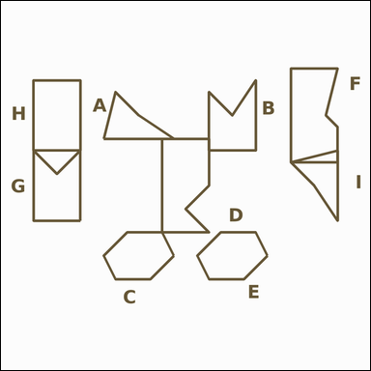 |  | task_geometry_counting_convexity | concave_polygon | The image shows several labeled polygons. Determine the answer: How many labeled polygons are concave polygons? Return a valid JSON object with keys "evidence" and "answer" in that order. Evidence format: set "evidence" to a sorted JSON array of the labels of all polygons that match the requested type. Answer requirement: set "answer" to the count as an integer. Example JSON: {"evidence":["B","D","G"],"answer":3} | The image shows several labeled polygons. Determine the answer: How many labeled polygons are concave polygons? Return a valid JSON object with key "answer". Answer field: set "answer" to the count as an integer. Example JSON: {"answer":3} | {"evidence": ["A", "B", "D", "F", "G", "I"], "answer": 6} | ["A", "B", "D", "F", "G", "I"] | integer | label_set | 3.2314413667E+15 | geometry/task_geometry_counting_convexity/images/concave_polygon/0021.png | geometry/task_geometry_counting_convexity/data/concave_polygon/0021.json
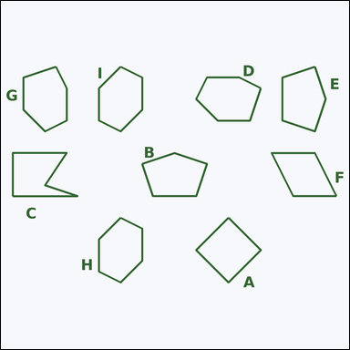 |  | task_geometry_counting_convexity | concave_polygon | The image shows several labeled polygons. How many labeled polygons are concave polygons? Return a valid JSON object with keys "evidence" and "answer" in that order. Evidence: set "evidence" to a sorted JSON array of the labels of all polygons that match the requested type. Answer: set "answer" to the count as an integer. Example JSON: {"evidence":["B","D","G"],"answer":3} | The image shows several labeled polygons. How many labeled polygons are concave polygons? Return a valid JSON object with key "answer". Answer: set "answer" to the count as an integer. Example JSON: {"answer":3} | {"evidence": ["C"], "answer": 1} | ["C"] | integer | label_set | 3.3266304426E+15 | geometry/task_geometry_counting_convexity/images/concave_polygon/0003.png | geometry/task_geometry_counting_convexity/data/concave_polygon/0003.json
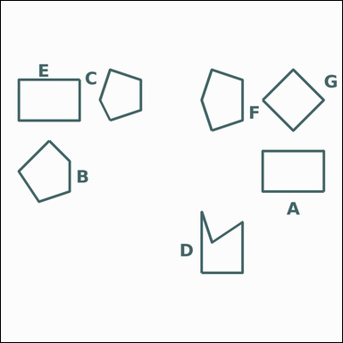 |  | task_geometry_counting_convexity | concave_polygon | Use the diagram showing several labeled polygons. Question: How many labeled polygons are concave polygons? Return a valid JSON object with keys "evidence" and "answer" in that order. Evidence field: set "evidence" to a sorted JSON array of the labels of all polygons that match the requested type. Answer field: set "answer" to the count as an integer. Example JSON: {"evidence":["B","D","G"],"answer":3} | Use the diagram showing several labeled polygons. Question: How many labeled polygons are concave polygons? Return a valid JSON object with key "answer". Answer field: set "answer" to the count as an integer. Example JSON: {"answer":3} | {"evidence": ["D"], "answer": 1} | ["D"] | integer | label_set | 3.7991058169E+15 | geometry/task_geometry_counting_convexity/images/concave_polygon/0017.png | geometry/task_geometry_counting_convexity/data/concave_polygon/0017.json
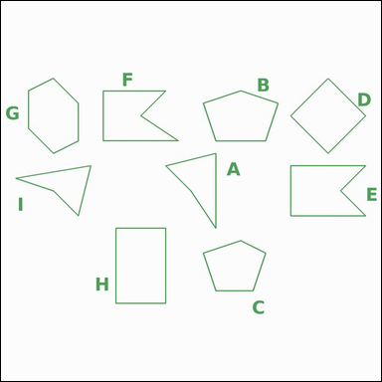 |  | task_geometry_counting_convexity | concave_polygon | Use the diagram showing several labeled polygons. How many labeled polygons are concave polygons? Return a valid JSON object with keys "evidence" and "answer" in that order. Evidence rule: set "evidence" to a sorted JSON array of the labels of all polygons that match the requested type. Answer rule: set "answer" to the count as an integer. Example JSON: {"evidence":["B","D","G"],"answer":3} | Use the diagram showing several labeled polygons. How many labeled polygons are concave polygons? Return a valid JSON object with key "answer". Answer: set "answer" to the count as an integer. Example JSON: {"answer":3} | {"evidence": ["A", "E", "F", "I"], "answer": 4} | ["A", "E", "F", "I"] | integer | label_set | 3.8929934568E+15 | geometry/task_geometry_counting_convexity/images/concave_polygon/0024.png | geometry/task_geometry_counting_convexity/data/concave_polygon/0024.json
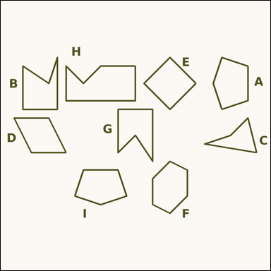 |  | task_geometry_counting_convexity | concave_polygon | The image shows several labeled polygons. Task: How many labeled polygons are concave polygons? Return a valid JSON object with keys "evidence" and "answer" in that order. Evidence requirement: set "evidence" to a sorted JSON array of the labels of all polygons that match the requested type. Answer format: set "answer" to the count as an integer. Example JSON: {"evidence":["B","D","G"],"answer":3} | The image shows several labeled polygons. Task: How many labeled polygons are concave polygons? Return a valid JSON object with key "answer". Answer format: set "answer" to the count as an integer. Example JSON: {"answer":3} | {"evidence": ["B", "C", "G", "H"], "answer": 4} | ["B", "C", "G", "H"] | integer | label_set | 4.4249414417E+15 | geometry/task_geometry_counting_convexity/images/concave_polygon/0000.png | geometry/task_geometry_counting_convexity/data/concave_polygon/0000.json
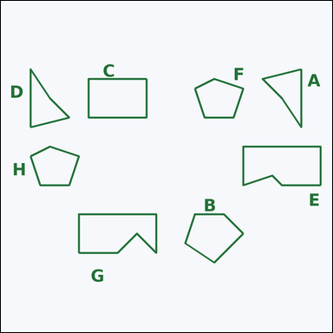 |  | task_geometry_counting_convexity | concave_polygon | Use the diagram showing several labeled polygons. Answer this question: How many labeled polygons are concave polygons? Return a valid JSON object with keys "evidence" and "answer" in that order. Evidence format: set "evidence" to a sorted JSON array of the labels of all polygons that match the requested type. Answer requirement: set "answer" to the count as an integer. Example JSON: {"evidence":["B","D","G"],"answer":3} | Use the diagram showing several labeled polygons. Answer this question: How many labeled polygons are concave polygons? Return a valid JSON object with key "answer". Answer field: set "answer" to the count as an integer. Example JSON: {"answer":3} | {"evidence": ["A", "D", "E", "G"], "answer": 4} | ["A", "D", "E", "G"] | integer | label_set | 4.633851564E+15 | geometry/task_geometry_counting_convexity/images/concave_polygon/0013.png | geometry/task_geometry_counting_convexity/data/concave_polygon/0013.json
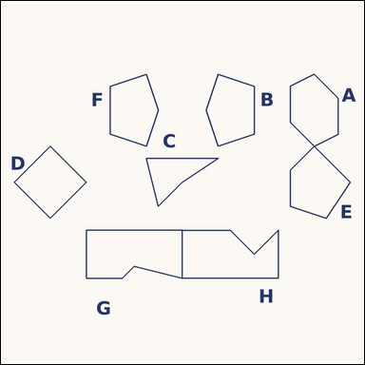 |  | task_geometry_counting_convexity | concave_polygon | Look at the image showing several labeled polygons. Task: How many labeled polygons are concave polygons? Return a valid JSON object with keys "evidence" and "answer" in that order. Evidence format: set "evidence" to a sorted JSON array of the labels of all polygons that match the requested type. Answer requirement: set "answer" to the count as an integer. Example JSON: {"evidence":["B","D","G"],"answer":3} | Look at the image showing several labeled polygons. Task: How many labeled polygons are concave polygons? Return a valid JSON object with key "answer". Answer requirement: set "answer" to the count as an integer. Example JSON: {"answer":3} | {"evidence": ["C", "G", "H"], "answer": 3} | ["C", "G", "H"] | integer | label_set | 4.9245375755E+15 | geometry/task_geometry_counting_convexity/images/concave_polygon/0022.png | geometry/task_geometry_counting_convexity/data/concave_polygon/0022.json
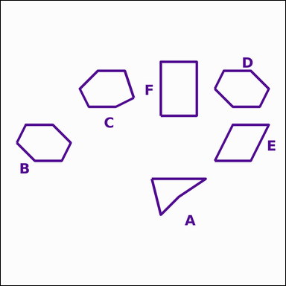 |  | task_geometry_counting_convexity | concave_polygon | Use the diagram showing several labeled polygons. Determine the answer: How many labeled polygons are concave polygons? Return a valid JSON object with keys "evidence" and "answer" in that order. Evidence field: set "evidence" to a sorted JSON array of the labels of all polygons that match the requested type. Answer field: set "answer" to the count as an integer. Example JSON: {"evidence":["B","D","G"],"answer":3} | Use the diagram showing several labeled polygons. Determine the answer: How many labeled polygons are concave polygons? Return a valid JSON object with key "answer". Answer: set "answer" to the count as an integer. Example JSON: {"answer":3} | {"evidence": ["A"], "answer": 1} | ["A"] | integer | label_set | 5.5142624448E+15 | geometry/task_geometry_counting_convexity/images/concave_polygon/0009.png | geometry/task_geometry_counting_convexity/data/concave_polygon/0009.json
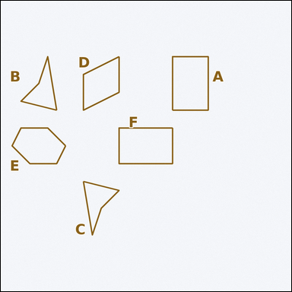 |  | task_geometry_counting_convexity | concave_polygon | Work from the image showing several labeled polygons. Determine the answer: How many labeled polygons are concave polygons? Return a valid JSON object with keys "evidence" and "answer" in that order. Evidence requirement: set "evidence" to a sorted JSON array of the labels of all polygons that match the requested type. Answer format: set "answer" to the count as an integer. Example JSON: {"evidence":["B","D","G"],"answer":3} | Work from the image showing several labeled polygons. Determine the answer: How many labeled polygons are concave polygons? Return a valid JSON object with key "answer". Answer rule: set "answer" to the count as an integer. Example JSON: {"answer":3} | {"evidence": ["B", "C"], "answer": 2} | ["B", "C"] | integer | label_set | 5.5197542951E+15 | geometry/task_geometry_counting_convexity/images/concave_polygon/0019.png | geometry/task_geometry_counting_convexity/data/concave_polygon/0019.json
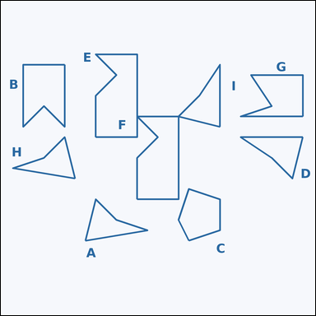 |  | task_geometry_counting_convexity | concave_polygon | You are given an image showing several labeled polygons. Determine the answer: How many labeled polygons are concave polygons? Return a valid JSON object with keys "evidence" and "answer" in that order. Evidence rule: set "evidence" to a sorted JSON array of the labels of all polygons that match the requested type. Answer rule: set "answer" to the count as an integer. Example JSON: {"evidence":["B","D","G"],"answer":3} | You are given an image showing several labeled polygons. Determine the answer: How many labeled polygons are concave polygons? Return a valid JSON object with key "answer". Answer rule: set "answer" to the count as an integer. Example JSON: {"answer":3} | {"evidence": ["A", "B", "D", "E", "F", "G", "H", "I"], "answer": 8} | ["A", "B", "D", "E", "F", "G", "H", "I"] | integer | label_set | 5.540887644E+15 | geometry/task_geometry_counting_convexity/images/concave_polygon/0018.png | geometry/task_geometry_counting_convexity/data/concave_polygon/0018.json
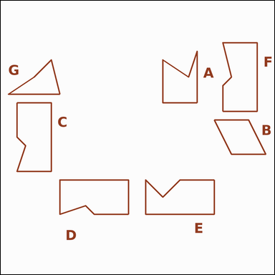 |  | task_geometry_counting_convexity | concave_polygon | You are given an image showing several labeled polygons. Task: How many labeled polygons are concave polygons? Return a valid JSON object with keys "evidence" and "answer" in that order. Evidence rule: set "evidence" to a sorted JSON array of the labels of all polygons that match the requested type. Answer rule: set "answer" to the count as an integer. Example JSON: {"evidence":["B","D","G"],"answer":3} | You are given an image showing several labeled polygons. Task: How many labeled polygons are concave polygons? Return a valid JSON object with key "answer". Answer format: set "answer" to the count as an integer. Example JSON: {"answer":3} | {"evidence": ["A", "C", "D", "E", "F", "G"], "answer": 6} | ["A", "C", "D", "E", "F", "G"] | integer | label_set | 6.3600018513E+15 | geometry/task_geometry_counting_convexity/images/concave_polygon/0023.png | geometry/task_geometry_counting_convexity/data/concave_polygon/0023.json
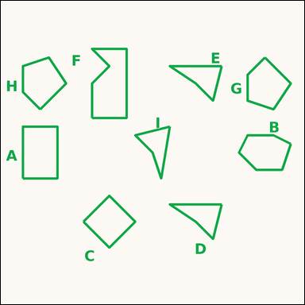 |  | task_geometry_counting_convexity | concave_polygon | Look at the image showing several labeled polygons. How many labeled polygons are concave polygons? Return a valid JSON object with keys "evidence" and "answer" in that order. Evidence rule: set "evidence" to a sorted JSON array of the labels of all polygons that match the requested type. Answer rule: set "answer" to the count as an integer. Example JSON: {"evidence":["B","D","G"],"answer":3} | Look at the image showing several labeled polygons. How many labeled polygons are concave polygons? Return a valid JSON object with key "answer". Answer format: set "answer" to the count as an integer. Example JSON: {"answer":3} | {"evidence": ["D", "E", "F", "I"], "answer": 4} | ["D", "E", "F", "I"] | integer | label_set | 6.588183472E+15 | geometry/task_geometry_counting_convexity/images/concave_polygon/0011.png | geometry/task_geometry_counting_convexity/data/concave_polygon/0011.json
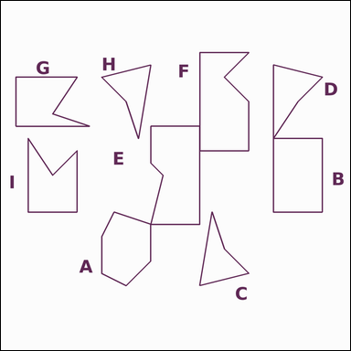 |  | task_geometry_counting_convexity | concave_polygon | Look at the image showing several labeled polygons. How many labeled polygons are concave polygons? Return a valid JSON object with keys "evidence" and "answer" in that order. Evidence field: set "evidence" to a sorted JSON array of the labels of all polygons that match the requested type. Answer field: set "answer" to the count as an integer. Example JSON: {"evidence":["B","D","G"],"answer":3} | Look at the image showing several labeled polygons. How many labeled polygons are concave polygons? Return a valid JSON object with key "answer". Answer: set "answer" to the count as an integer. Example JSON: {"answer":3} | {"evidence": ["C", "D", "E", "F", "G", "H", "I"], "answer": 7} | ["C", "D", "E", "F", "G", "H", "I"] | integer | label_set | 6.5963863873E+15 | geometry/task_geometry_counting_convexity/images/concave_polygon/0006.png | geometry/task_geometry_counting_convexity/data/concave_polygon/0006.json
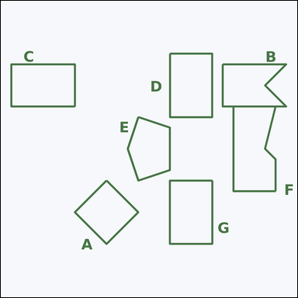 |  | task_geometry_counting_convexity | concave_polygon | Look at the image showing several labeled polygons. Question: How many labeled polygons are concave polygons? Return a valid JSON object with keys "evidence" and "answer" in that order. Evidence format: set "evidence" to a sorted JSON array of the labels of all polygons that match the requested type. Answer requirement: set "answer" to the count as an integer. Example JSON: {"evidence":["B","D","G"],"answer":3} | Look at the image showing several labeled polygons. Question: How many labeled polygons are concave polygons? Return a valid JSON object with key "answer". Answer format: set "answer" to the count as an integer. Example JSON: {"answer":3} | {"evidence": ["B", "F"], "answer": 2} | ["B", "F"] | integer | label_set | 6.6119607508E+15 | geometry/task_geometry_counting_convexity/images/concave_polygon/0007.png | geometry/task_geometry_counting_convexity/data/concave_polygon/0007.json
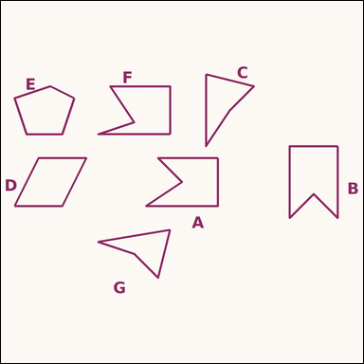 |  | task_geometry_counting_convexity | concave_polygon | Work from the image showing several labeled polygons. Question: How many labeled polygons are concave polygons? Return a valid JSON object with keys "evidence" and "answer" in that order. Evidence field: set "evidence" to a sorted JSON array of the labels of all polygons that match the requested type. Answer field: set "answer" to the count as an integer. Example JSON: {"evidence":["B","D","G"],"answer":3} | Work from the image showing several labeled polygons. Question: How many labeled polygons are concave polygons? Return a valid JSON object with key "answer". Answer: set "answer" to the count as an integer. Example JSON: {"answer":3} | {"evidence": ["A", "B", "C", "F", "G"], "answer": 5} | ["A", "B", "C", "F", "G"] | integer | label_set | 6.6993647826E+15 | geometry/task_geometry_counting_convexity/images/concave_polygon/0005.png | geometry/task_geometry_counting_convexity/data/concave_polygon/0005.json
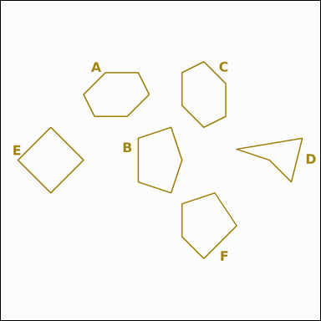 |  | task_geometry_counting_convexity | concave_polygon | Use the diagram showing several labeled polygons. Determine the answer: How many labeled polygons are concave polygons? Return a valid JSON object with keys "evidence" and "answer" in that order. Evidence requirement: set "evidence" to a sorted JSON array of the labels of all polygons that match the requested type. Answer format: set "answer" to the count as an integer. Example JSON: {"evidence":["B","D","G"],"answer":3} | Use the diagram showing several labeled polygons. Determine the answer: How many labeled polygons are concave polygons? Return a valid JSON object with key "answer". Answer: set "answer" to the count as an integer. Example JSON: {"answer":3} | {"evidence": ["D"], "answer": 1} | ["D"] | integer | label_set | 6.9902207235E+15 | geometry/task_geometry_counting_convexity/images/concave_polygon/0010.png | geometry/task_geometry_counting_convexity/data/concave_polygon/0010.json
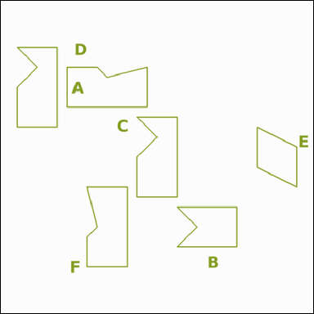 |  | task_geometry_counting_convexity | concave_polygon | Look at the image showing several labeled polygons. Question: How many labeled polygons are concave polygons? Return a valid JSON object with keys "evidence" and "answer" in that order. Evidence format: set "evidence" to a sorted JSON array of the labels of all polygons that match the requested type. Answer requirement: set "answer" to the count as an integer. Example JSON: {"evidence":["B","D","G"],"answer":3} | Look at the image showing several labeled polygons. Question: How many labeled polygons are concave polygons? Return a valid JSON object with key "answer". Answer format: set "answer" to the count as an integer. Example JSON: {"answer":3} | {"evidence": ["A", "B", "C", "D", "F"], "answer": 5} | ["A", "B", "C", "D", "F"] | integer | label_set | 7.3875827756E+15 | geometry/task_geometry_counting_convexity/images/concave_polygon/0014.png | geometry/task_geometry_counting_convexity/data/concave_polygon/0014.json
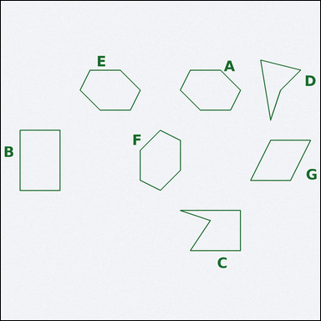 |  | task_geometry_counting_convexity | concave_polygon | You are given an image showing several labeled polygons. How many labeled polygons are concave polygons? Return a valid JSON object with keys "evidence" and "answer" in that order. Evidence: set "evidence" to a sorted JSON array of the labels of all polygons that match the requested type. Answer: set "answer" to the count as an integer. Example JSON: {"evidence":["B","D","G"],"answer":3} | You are given an image showing several labeled polygons. How many labeled polygons are concave polygons? Return a valid JSON object with key "answer". Answer field: set "answer" to the count as an integer. Example JSON: {"answer":3} | {"evidence": ["C", "D"], "answer": 2} | ["C", "D"] | integer | label_set | 8.5401403988E+15 | geometry/task_geometry_counting_convexity/images/concave_polygon/0001.png | geometry/task_geometry_counting_convexity/data/concave_polygon/0001.json

convex_polygon
image | evidence_image | task | task_variant | prompt | prompt_answer_only | answer | answer_evidence | answer_type | evidence_type | instance_seed | image_path | data_path
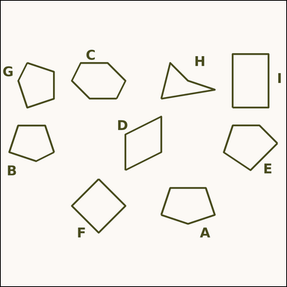 |  | task_geometry_counting_convexity | convex_polygon | The image shows several labeled polygons. Question: How many labeled polygons are convex polygons? Return a valid JSON object with keys "evidence" and "answer" in that order. Evidence field: set "evidence" to a sorted JSON array of the labels of all polygons that match the requested type. Answer field: set "answer" to the count as an integer. Example JSON: {"evidence":["B","D","G"],"answer":3} | The image shows several labeled polygons. Question: How many labeled polygons are convex polygons? Return a valid JSON object with key "answer". Answer rule: set "answer" to the count as an integer. Example JSON: {"answer":3} | {"evidence": ["A", "B", "C", "D", "E", "F", "G", "I"], "answer": 8} | ["A", "B", "C", "D", "E", "F", "G", "I"] | integer | label_set | 290491761347836 | geometry/task_geometry_counting_convexity/images/convex_polygon/0018.png | geometry/task_geometry_counting_convexity/data/convex_polygon/0018.json
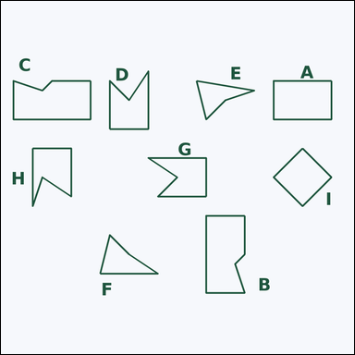 |  | task_geometry_counting_convexity | convex_polygon | The image shows several labeled polygons. Determine the answer: How many labeled polygons are convex polygons? Return a valid JSON object with keys "evidence" and "answer" in that order. Evidence format: set "evidence" to a sorted JSON array of the labels of all polygons that match the requested type. Answer requirement: set "answer" to the count as an integer. Example JSON: {"evidence":["B","D","G"],"answer":3} | The image shows several labeled polygons. Determine the answer: How many labeled polygons are convex polygons? Return a valid JSON object with key "answer". Answer: set "answer" to the count as an integer. Example JSON: {"answer":3} | {"evidence": ["A", "I"], "answer": 2} | ["A", "I"] | integer | label_set | 340695879198080 | geometry/task_geometry_counting_convexity/images/convex_polygon/0001.png | geometry/task_geometry_counting_convexity/data/convex_polygon/0001.json
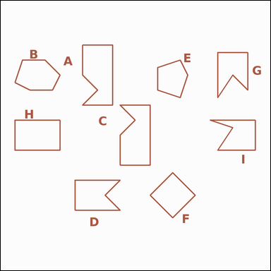 |  | task_geometry_counting_convexity | convex_polygon | Look at the image showing several labeled polygons. Answer this question: How many labeled polygons are convex polygons? Return a valid JSON object with keys "evidence" and "answer" in that order. Evidence format: set "evidence" to a sorted JSON array of the labels of all polygons that match the requested type. Answer requirement: set "answer" to the count as an integer. Example JSON: {"evidence":["B","D","G"],"answer":3} | Look at the image showing several labeled polygons. Answer this question: How many labeled polygons are convex polygons? Return a valid JSON object with key "answer". Answer field: set "answer" to the count as an integer. Example JSON: {"answer":3} | {"evidence": ["B", "E", "F", "H"], "answer": 4} | ["B", "E", "F", "H"] | integer | label_set | 745631912745206 | geometry/task_geometry_counting_convexity/images/convex_polygon/0005.png | geometry/task_geometry_counting_convexity/data/convex_polygon/0005.json
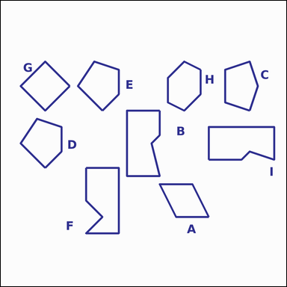 |  | task_geometry_counting_convexity | convex_polygon | Work from the image showing several labeled polygons. Question: How many labeled polygons are convex polygons? Return a valid JSON object with keys "evidence" and "answer" in that order. Evidence format: set "evidence" to a sorted JSON array of the labels of all polygons that match the requested type. Answer requirement: set "answer" to the count as an integer. Example JSON: {"evidence":["B","D","G"],"answer":3} | Work from the image showing several labeled polygons. Question: How many labeled polygons are convex polygons? Return a valid JSON object with key "answer". Answer: set "answer" to the count as an integer. Example JSON: {"answer":3} | {"evidence": ["A", "C", "D", "E", "G", "H"], "answer": 6} | ["A", "C", "D", "E", "G", "H"] | integer | label_set | 1.4080537979E+15 | geometry/task_geometry_counting_convexity/images/convex_polygon/0004.png | geometry/task_geometry_counting_convexity/data/convex_polygon/0004.json
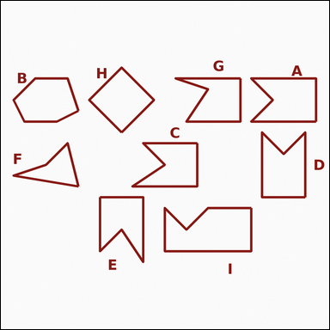 |  | task_geometry_counting_convexity | convex_polygon | Work from the image showing several labeled polygons. How many labeled polygons are convex polygons? Return a valid JSON object with keys "evidence" and "answer" in that order. Evidence requirement: set "evidence" to a sorted JSON array of the labels of all polygons that match the requested type. Answer format: set "answer" to the count as an integer. Example JSON: {"evidence":["B","D","G"],"answer":3} | Work from the image showing several labeled polygons. How many labeled polygons are convex polygons? Return a valid JSON object with key "answer". Answer format: set "answer" to the count as an integer. Example JSON: {"answer":3} | {"evidence": ["B", "H"], "answer": 2} | ["B", "H"] | integer | label_set | 2.0225749808E+15 | geometry/task_geometry_counting_convexity/images/convex_polygon/0024.png | geometry/task_geometry_counting_convexity/data/convex_polygon/0024.json
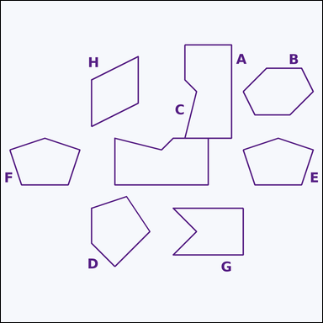 |  | task_geometry_counting_convexity | convex_polygon | The image shows several labeled polygons. Determine the answer: How many labeled polygons are convex polygons? Return a valid JSON object with keys "evidence" and "answer" in that order. Evidence: set "evidence" to a sorted JSON array of the labels of all polygons that match the requested type. Answer: set "answer" to the count as an integer. Example JSON: {"evidence":["B","D","G"],"answer":3} | The image shows several labeled polygons. Determine the answer: How many labeled polygons are convex polygons? Return a valid JSON object with key "answer". Answer rule: set "answer" to the count as an integer. Example JSON: {"answer":3} | {"evidence": ["B", "D", "E", "F", "H"], "answer": 5} | ["B", "D", "E", "F", "H"] | integer | label_set | 2.0381031838E+15 | geometry/task_geometry_counting_convexity/images/convex_polygon/0016.png | geometry/task_geometry_counting_convexity/data/convex_polygon/0016.json
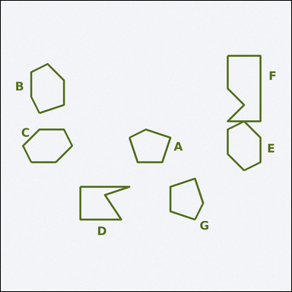 |  | task_geometry_counting_convexity | convex_polygon | Look at the image showing several labeled polygons. How many labeled polygons are convex polygons? Return a valid JSON object with keys "evidence" and "answer" in that order. Evidence rule: set "evidence" to a sorted JSON array of the labels of all polygons that match the requested type. Answer rule: set "answer" to the count as an integer. Example JSON: {"evidence":["B","D","G"],"answer":3} | Look at the image showing several labeled polygons. How many labeled polygons are convex polygons? Return a valid JSON object with key "answer". Answer requirement: set "answer" to the count as an integer. Example JSON: {"answer":3} | {"evidence": ["A", "B", "C", "E", "G"], "answer": 5} | ["A", "B", "C", "E", "G"] | integer | label_set | 2.1040940115E+15 | geometry/task_geometry_counting_convexity/images/convex_polygon/0021.png | geometry/task_geometry_counting_convexity/data/convex_polygon/0021.json
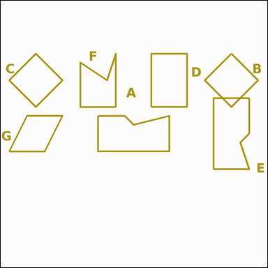 |  | task_geometry_counting_convexity | convex_polygon | Look at the image showing several labeled polygons. Task: How many labeled polygons are convex polygons? Return a valid JSON object with keys "evidence" and "answer" in that order. Evidence requirement: set "evidence" to a sorted JSON array of the labels of all polygons that match the requested type. Answer format: set "answer" to the count as an integer. Example JSON: {"evidence":["B","D","G"],"answer":3} | Look at the image showing several labeled polygons. Task: How many labeled polygons are convex polygons? Return a valid JSON object with key "answer". Answer requirement: set "answer" to the count as an integer. Example JSON: {"answer":3} | {"evidence": ["B", "C", "D", "G"], "answer": 4} | ["B", "C", "D", "G"] | integer | label_set | 3.0834004614E+15 | geometry/task_geometry_counting_convexity/images/convex_polygon/0015.png | geometry/task_geometry_counting_convexity/data/convex_polygon/0015.json
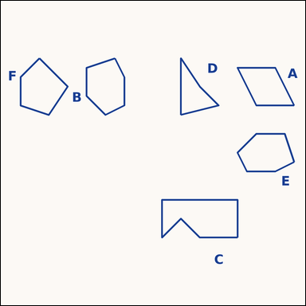 |  | task_geometry_counting_convexity | convex_polygon | You are given an image showing several labeled polygons. Question: How many labeled polygons are convex polygons? Return a valid JSON object with keys "evidence" and "answer" in that order. Evidence: set "evidence" to a sorted JSON array of the labels of all polygons that match the requested type. Answer: set "answer" to the count as an integer. Example JSON: {"evidence":["B","D","G"],"answer":3} | You are given an image showing several labeled polygons. Question: How many labeled polygons are convex polygons? Return a valid JSON object with key "answer". Answer: set "answer" to the count as an integer. Example JSON: {"answer":3} | {"evidence": ["A", "B", "E", "F"], "answer": 4} | ["A", "B", "E", "F"] | integer | label_set | 3.0993999272E+15 | geometry/task_geometry_counting_convexity/images/convex_polygon/0020.png | geometry/task_geometry_counting_convexity/data/convex_polygon/0020.json
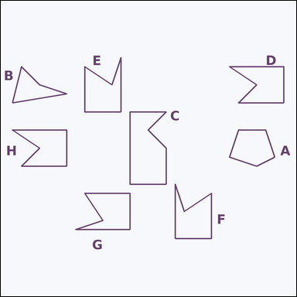 |  | task_geometry_counting_convexity | convex_polygon | Use the diagram showing several labeled polygons. How many labeled polygons are convex polygons? Return a valid JSON object with keys "evidence" and "answer" in that order. Evidence field: set "evidence" to a sorted JSON array of the labels of all polygons that match the requested type. Answer field: set "answer" to the count as an integer. Example JSON: {"evidence":["B","D","G"],"answer":3} | Use the diagram showing several labeled polygons. How many labeled polygons are convex polygons? Return a valid JSON object with key "answer". Answer format: set "answer" to the count as an integer. Example JSON: {"answer":3} | {"evidence": ["A"], "answer": 1} | ["A"] | integer | label_set | 4.2711521004E+15 | geometry/task_geometry_counting_convexity/images/convex_polygon/0023.png | geometry/task_geometry_counting_convexity/data/convex_polygon/0023.json
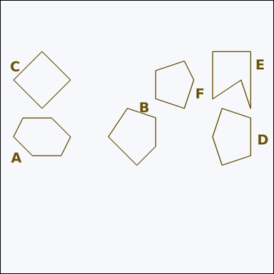 |  | task_geometry_counting_convexity | convex_polygon | Use the diagram showing several labeled polygons. Question: How many labeled polygons are convex polygons? Return a valid JSON object with keys "evidence" and "answer" in that order. Evidence field: set "evidence" to a sorted JSON array of the labels of all polygons that match the requested type. Answer field: set "answer" to the count as an integer. Example JSON: {"evidence":["B","D","G"],"answer":3} | Use the diagram showing several labeled polygons. Question: How many labeled polygons are convex polygons? Return a valid JSON object with key "answer". Answer rule: set "answer" to the count as an integer. Example JSON: {"answer":3} | {"evidence": ["A", "B", "C", "D", "F"], "answer": 5} | ["A", "B", "C", "D", "F"] | integer | label_set | 4.3037960414E+15 | geometry/task_geometry_counting_convexity/images/convex_polygon/0002.png | geometry/task_geometry_counting_convexity/data/convex_polygon/0002.json
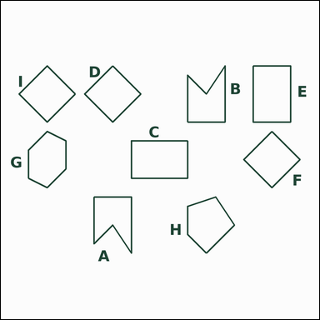 |  | task_geometry_counting_convexity | convex_polygon | Use the diagram showing several labeled polygons. How many labeled polygons are convex polygons? Return a valid JSON object with keys "evidence" and "answer" in that order. Evidence rule: set "evidence" to a sorted JSON array of the labels of all polygons that match the requested type. Answer rule: set "answer" to the count as an integer. Example JSON: {"evidence":["B","D","G"],"answer":3} | Use the diagram showing several labeled polygons. How many labeled polygons are convex polygons? Return a valid JSON object with key "answer". Answer rule: set "answer" to the count as an integer. Example JSON: {"answer":3} | {"evidence": ["C", "D", "E", "F", "G", "H", "I"], "answer": 7} | ["C", "D", "E", "F", "G", "H", "I"] | integer | label_set | 4.3418881356E+15 | geometry/task_geometry_counting_convexity/images/convex_polygon/0012.png | geometry/task_geometry_counting_convexity/data/convex_polygon/0012.json
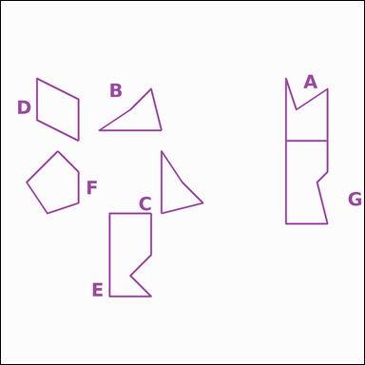 |  | task_geometry_counting_convexity | convex_polygon | You are given an image showing several labeled polygons. Task: How many labeled polygons are convex polygons? Return a valid JSON object with keys "evidence" and "answer" in that order. Evidence rule: set "evidence" to a sorted JSON array of the labels of all polygons that match the requested type. Answer rule: set "answer" to the count as an integer. Example JSON: {"evidence":["B","D","G"],"answer":3} | You are given an image showing several labeled polygons. Task: How many labeled polygons are convex polygons? Return a valid JSON object with key "answer". Answer field: set "answer" to the count as an integer. Example JSON: {"answer":3} | {"evidence": ["D", "F"], "answer": 2} | ["D", "F"] | integer | label_set | 4.7131953821E+15 | geometry/task_geometry_counting_convexity/images/convex_polygon/0000.png | geometry/task_geometry_counting_convexity/data/convex_polygon/0000.json
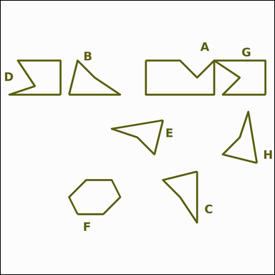 |  | task_geometry_counting_convexity | convex_polygon | Work from the image showing several labeled polygons. Answer this question: How many labeled polygons are convex polygons? Return a valid JSON object with keys "evidence" and "answer" in that order. Evidence format: set "evidence" to a sorted JSON array of the labels of all polygons that match the requested type. Answer requirement: set "answer" to the count as an integer. Example JSON: {"evidence":["B","D","G"],"answer":3} | Work from the image showing several labeled polygons. Answer this question: How many labeled polygons are convex polygons? Return a valid JSON object with key "answer". Answer requirement: set "answer" to the count as an integer. Example JSON: {"answer":3} | {"evidence": ["F"], "answer": 1} | ["F"] | integer | label_set | 6.9795702358E+15 | geometry/task_geometry_counting_convexity/images/convex_polygon/0019.png | geometry/task_geometry_counting_convexity/data/convex_polygon/0019.json
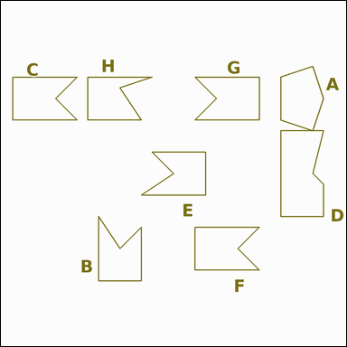 |  | task_geometry_counting_convexity | convex_polygon | Use the diagram showing several labeled polygons. Task: How many labeled polygons are convex polygons? Return a valid JSON object with keys "evidence" and "answer" in that order. Evidence field: set "evidence" to a sorted JSON array of the labels of all polygons that match the requested type. Answer field: set "answer" to the count as an integer. Example JSON: {"evidence":["B","D","G"],"answer":3} | Use the diagram showing several labeled polygons. Task: How many labeled polygons are convex polygons? Return a valid JSON object with key "answer". Answer field: set "answer" to the count as an integer. Example JSON: {"answer":3} | {"evidence": ["A"], "answer": 1} | ["A"] | integer | label_set | 7.7387016537E+15 | geometry/task_geometry_counting_convexity/images/convex_polygon/0017.png | geometry/task_geometry_counting_convexity/data/convex_polygon/0017.json
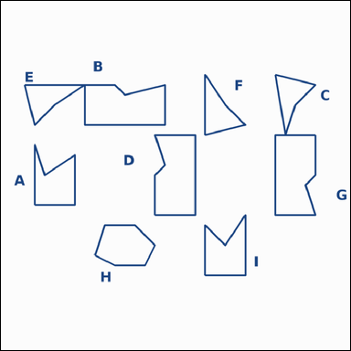 |  | task_geometry_counting_convexity | convex_polygon | Work from the image showing several labeled polygons. Determine the answer: How many labeled polygons are convex polygons? Return a valid JSON object with keys "evidence" and "answer" in that order. Evidence: set "evidence" to a sorted JSON array of the labels of all polygons that match the requested type. Answer: set "answer" to the count as an integer. Example JSON: {"evidence":["B","D","G"],"answer":3} | Work from the image showing several labeled polygons. Determine the answer: How many labeled polygons are convex polygons? Return a valid JSON object with key "answer". Answer requirement: set "answer" to the count as an integer. Example JSON: {"answer":3} | {"evidence": ["H"], "answer": 1} | ["H"] | integer | label_set | 7.8028176259E+15 | geometry/task_geometry_counting_convexity/images/convex_polygon/0014.png | geometry/task_geometry_counting_convexity/data/convex_polygon/0014.json
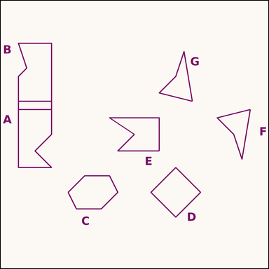 |  | task_geometry_counting_convexity | convex_polygon | Work from the image showing several labeled polygons. Determine the answer: How many labeled polygons are convex polygons? Return a valid JSON object with keys "evidence" and "answer" in that order. Evidence requirement: set "evidence" to a sorted JSON array of the labels of all polygons that match the requested type. Answer format: set "answer" to the count as an integer. Example JSON: {"evidence":["B","D","G"],"answer":3} | Work from the image showing several labeled polygons. Determine the answer: How many labeled polygons are convex polygons? Return a valid JSON object with key "answer". Answer format: set "answer" to the count as an integer. Example JSON: {"answer":3} | {"evidence": ["C", "D"], "answer": 2} | ["C", "D"] | integer | label_set | 8.0690490837E+15 | geometry/task_geometry_counting_convexity/images/convex_polygon/0011.png | geometry/task_geometry_counting_convexity/data/convex_polygon/0011.json
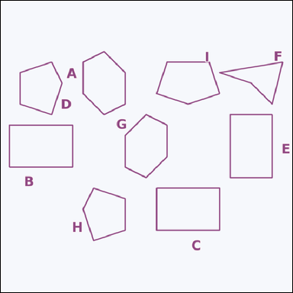 |  | task_geometry_counting_convexity | convex_polygon | The image shows several labeled polygons. Determine the answer: How many labeled polygons are convex polygons? Return a valid JSON object with keys "evidence" and "answer" in that order. Evidence rule: set "evidence" to a sorted JSON array of the labels of all polygons that match the requested type. Answer rule: set "answer" to the count as an integer. Example JSON: {"evidence":["B","D","G"],"answer":3} | The image shows several labeled polygons. Determine the answer: How many labeled polygons are convex polygons? Return a valid JSON object with key "answer". Answer: set "answer" to the count as an integer. Example JSON: {"answer":3} | {"evidence": ["A", "B", "C", "D", "E", "G", "H", "I"], "answer": 8} | ["A", "B", "C", "D", "E", "G", "H", "I"] | integer | label_set | 8.071904813E+15 | geometry/task_geometry_counting_convexity/images/convex_polygon/0006.png | geometry/task_geometry_counting_convexity/data/convex_polygon/0006.json
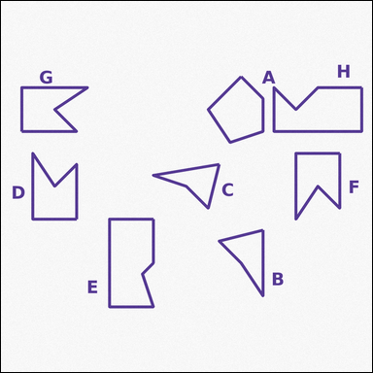 |  | task_geometry_counting_convexity | convex_polygon | Use the diagram showing several labeled polygons. Answer this question: How many labeled polygons are convex polygons? Return a valid JSON object with keys "evidence" and "answer" in that order. Evidence requirement: set "evidence" to a sorted JSON array of the labels of all polygons that match the requested type. Answer format: set "answer" to the count as an integer. Example JSON: {"evidence":["B","D","G"],"answer":3} | Use the diagram showing several labeled polygons. Answer this question: How many labeled polygons are convex polygons? Return a valid JSON object with key "answer". Answer field: set "answer" to the count as an integer. Example JSON: {"answer":3} | {"evidence": ["A"], "answer": 1} | ["A"] | integer | label_set | 8.1023844318E+15 | geometry/task_geometry_counting_convexity/images/convex_polygon/0010.png | geometry/task_geometry_counting_convexity/data/convex_polygon/0010.json
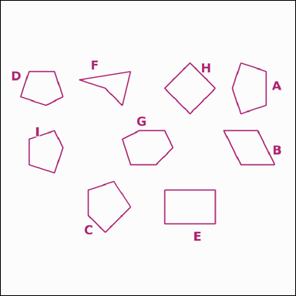 |  | task_geometry_counting_convexity | convex_polygon | Look at the image showing several labeled polygons. Question: How many labeled polygons are convex polygons? Return a valid JSON object with keys "evidence" and "answer" in that order. Evidence format: set "evidence" to a sorted JSON array of the labels of all polygons that match the requested type. Answer requirement: set "answer" to the count as an integer. Example JSON: {"evidence":["B","D","G"],"answer":3} | Look at the image showing several labeled polygons. Question: How many labeled polygons are convex polygons? Return a valid JSON object with key "answer". Answer: set "answer" to the count as an integer. Example JSON: {"answer":3} | {"evidence": ["A", "B", "C", "D", "E", "G", "H", "I"], "answer": 8} | ["A", "B", "C", "D", "E", "G", "H", "I"] | integer | label_set | 8.3123134017E+15 | geometry/task_geometry_counting_convexity/images/convex_polygon/0008.png | geometry/task_geometry_counting_convexity/data/convex_polygon/0008.json
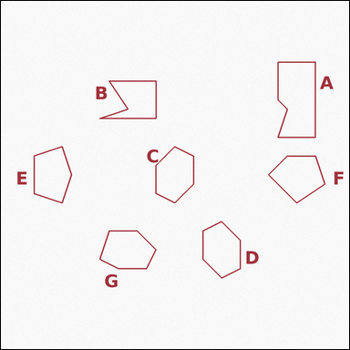 |  | task_geometry_counting_convexity | convex_polygon | Look at the image showing several labeled polygons. Determine the answer: How many labeled polygons are convex polygons? Return a valid JSON object with keys "evidence" and "answer" in that order. Evidence: set "evidence" to a sorted JSON array of the labels of all polygons that match the requested type. Answer: set "answer" to the count as an integer. Example JSON: {"evidence":["B","D","G"],"answer":3} | Look at the image showing several labeled polygons. Determine the answer: How many labeled polygons are convex polygons? Return a valid JSON object with key "answer". Answer requirement: set "answer" to the count as an integer. Example JSON: {"answer":3} | {"evidence": ["C", "D", "E", "F", "G"], "answer": 5} | ["C", "D", "E", "F", "G"] | integer | label_set | 8.4205773355E+15 | geometry/task_geometry_counting_convexity/images/convex_polygon/0007.png | geometry/task_geometry_counting_convexity/data/convex_polygon/0007.json
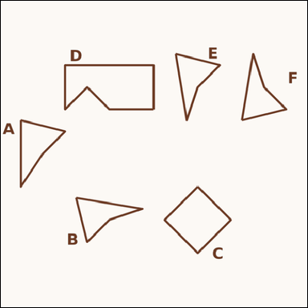 |  | task_geometry_counting_convexity | convex_polygon | Look at the image showing several labeled polygons. Determine the answer: How many labeled polygons are convex polygons? Return a valid JSON object with keys "evidence" and "answer" in that order. Evidence rule: set "evidence" to a sorted JSON array of the labels of all polygons that match the requested type. Answer rule: set "answer" to the count as an integer. Example JSON: {"evidence":["B","D","G"],"answer":3} | Look at the image showing several labeled polygons. Determine the answer: How many labeled polygons are convex polygons? Return a valid JSON object with key "answer". Answer format: set "answer" to the count as an integer. Example JSON: {"answer":3} | {"evidence": ["C"], "answer": 1} | ["C"] | integer | label_set | 8.5409318154E+15 | geometry/task_geometry_counting_convexity/images/convex_polygon/0003.png | geometry/task_geometry_counting_convexity/data/convex_polygon/0003.json
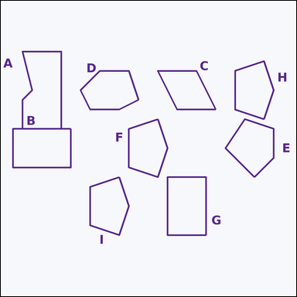 |  | task_geometry_counting_convexity | convex_polygon | You are given an image showing several labeled polygons. How many labeled polygons are convex polygons? Return a valid JSON object with keys "evidence" and "answer" in that order. Evidence format: set "evidence" to a sorted JSON array of the labels of all polygons that match the requested type. Answer requirement: set "answer" to the count as an integer. Example JSON: {"evidence":["B","D","G"],"answer":3} | You are given an image showing several labeled polygons. How many labeled polygons are convex polygons? Return a valid JSON object with key "answer". Answer: set "answer" to the count as an integer. Example JSON: {"answer":3} | {"evidence": ["B", "C", "D", "E", "F", "G", "H", "I"], "answer": 8} | ["B", "C", "D", "E", "F", "G", "H", "I"] | integer | label_set | 8.6800580055E+15 | geometry/task_geometry_counting_convexity/images/convex_polygon/0013.png | geometry/task_geometry_counting_convexity/data/convex_polygon/0013.json
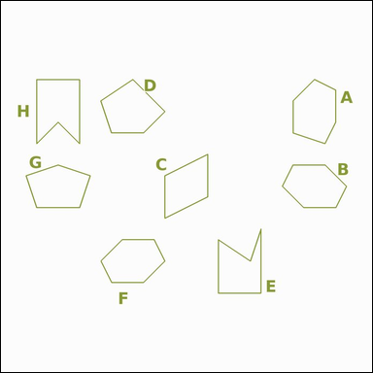 |  | task_geometry_counting_convexity | convex_polygon | Use the diagram showing several labeled polygons. Determine the answer: How many labeled polygons are convex polygons? Return a valid JSON object with keys "evidence" and "answer" in that order. Evidence: set "evidence" to a sorted JSON array of the labels of all polygons that match the requested type. Answer: set "answer" to the count as an integer. Example JSON: {"evidence":["B","D","G"],"answer":3} | Use the diagram showing several labeled polygons. Determine the answer: How many labeled polygons are convex polygons? Return a valid JSON object with key "answer". Answer format: set "answer" to the count as an integer. Example JSON: {"answer":3} | {"evidence": ["A", "B", "C", "D", "F", "G"], "answer": 6} | ["A", "B", "C", "D", "F", "G"] | integer | label_set | 8.8039972666E+15 | geometry/task_geometry_counting_convexity/images/convex_polygon/0009.png | geometry/task_geometry_counting_convexity/data/convex_polygon/0009.json
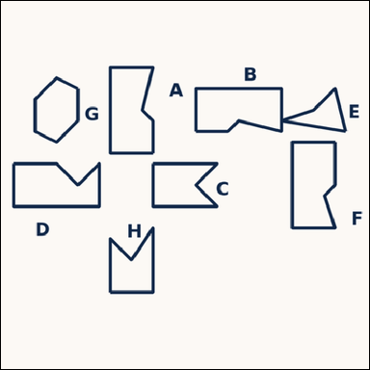 |  | task_geometry_counting_convexity | convex_polygon | Look at the image showing several labeled polygons. How many labeled polygons are convex polygons? Return a valid JSON object with keys "evidence" and "answer" in that order. Evidence field: set "evidence" to a sorted JSON array of the labels of all polygons that match the requested type. Answer field: set "answer" to the count as an integer. Example JSON: {"evidence":["B","D","G"],"answer":3} | Look at the image showing several labeled polygons. How many labeled polygons are convex polygons? Return a valid JSON object with key "answer". Answer: set "answer" to the count as an integer. Example JSON: {"answer":3} | {"evidence": ["G"], "answer": 1} | ["G"] | integer | label_set | 9.0067738245E+15 | geometry/task_geometry_counting_convexity/images/convex_polygon/0022.png | geometry/task_geometry_counting_convexity/data/convex_polygon/0022.json

