parallelogram_only
image | evidence_image | task | task_variant | prompt | prompt_answer_only | answer | answer_evidence | answer_type | evidence_type | instance_seed | image_path | data_path
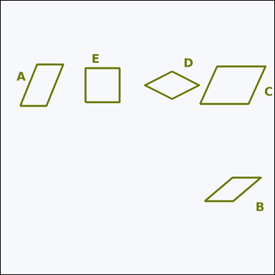 |  | task_geometry_counting_quadrilateral | parallelogram_only | Work from the image showing several labeled quadrilaterals. Answer this question: How many labeled quadrilaterals are parallelograms that are neither rectangles nor rhombuses? Return a valid JSON object with keys "evidence" and "answer" in that order. Evidence format: set "evidence" to a sorted JSON array of the labels of all quadrilaterals that match the requested type. Answer requirement: set "answer" to the count as an integer. Example JSON: {"evidence":["B","E"],"answer":2} | Work from the image showing several labeled quadrilaterals. Answer this question: How many labeled quadrilaterals are parallelograms that are neither rectangles nor rhombuses? Return a valid JSON object with key "answer". Answer rule: set "answer" to the count as an integer. Example JSON: {"answer":2} | {"evidence": ["A", "B", "C"], "answer": 3} | ["A", "B", "C"] | integer | label_set | 679180292804459 | geometry/task_geometry_counting_quadrilateral/images/parallelogram_only/0002.png | geometry/task_geometry_counting_quadrilateral/data/parallelogram_only/0002.json
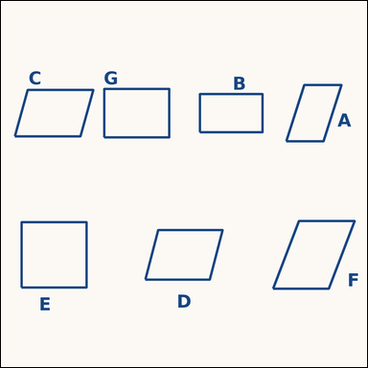 |  | task_geometry_counting_quadrilateral | parallelogram_only | Use the diagram showing several labeled quadrilaterals. How many labeled quadrilaterals are parallelograms that are neither rectangles nor rhombuses? Return a valid JSON object with keys "evidence" and "answer" in that order. Evidence rule: set "evidence" to a sorted JSON array of the labels of all quadrilaterals that match the requested type. Answer rule: set "answer" to the count as an integer. Example JSON: {"evidence":["B","E"],"answer":2} | Use the diagram showing several labeled quadrilaterals. How many labeled quadrilaterals are parallelograms that are neither rectangles nor rhombuses? Return a valid JSON object with key "answer". Answer field: set "answer" to the count as an integer. Example JSON: {"answer":2} | {"evidence": ["A", "C", "D", "F"], "answer": 4} | ["A", "C", "D", "F"] | integer | label_set | 1.229585279E+15 | geometry/task_geometry_counting_quadrilateral/images/parallelogram_only/0001.png | geometry/task_geometry_counting_quadrilateral/data/parallelogram_only/0001.json
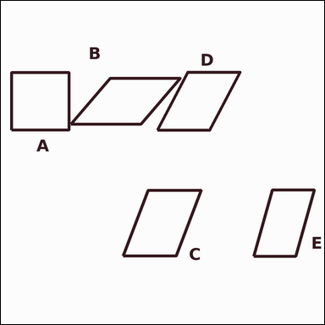 |  | task_geometry_counting_quadrilateral | parallelogram_only | You are given an image showing several labeled quadrilaterals. Determine the answer: How many labeled quadrilaterals are parallelograms that are neither rectangles nor rhombuses? Return a valid JSON object with keys "evidence" and "answer" in that order. Evidence rule: set "evidence" to a sorted JSON array of the labels of all quadrilaterals that match the requested type. Answer rule: set "answer" to the count as an integer. Example JSON: {"evidence":["B","E"],"answer":2} | You are given an image showing several labeled quadrilaterals. Determine the answer: How many labeled quadrilaterals are parallelograms that are neither rectangles nor rhombuses? Return a valid JSON object with key "answer". Answer format: set "answer" to the count as an integer. Example JSON: {"answer":2} | {"evidence": ["B", "C", "D", "E"], "answer": 4} | ["B", "C", "D", "E"] | integer | label_set | 2.4524883474E+15 | geometry/task_geometry_counting_quadrilateral/images/parallelogram_only/0023.png | geometry/task_geometry_counting_quadrilateral/data/parallelogram_only/0023.json
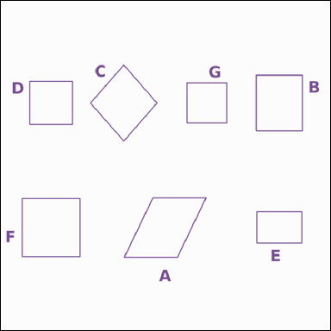 |  | task_geometry_counting_quadrilateral | parallelogram_only | You are given an image showing several labeled quadrilaterals. Determine the answer: How many labeled quadrilaterals are parallelograms that are neither rectangles nor rhombuses? Return a valid JSON object with keys "evidence" and "answer" in that order. Evidence: set "evidence" to a sorted JSON array of the labels of all quadrilaterals that match the requested type. Answer: set "answer" to the count as an integer. Example JSON: {"evidence":["B","E"],"answer":2} | You are given an image showing several labeled quadrilaterals. Determine the answer: How many labeled quadrilaterals are parallelograms that are neither rectangles nor rhombuses? Return a valid JSON object with key "answer". Answer rule: set "answer" to the count as an integer. Example JSON: {"answer":2} | {"evidence": ["A"], "answer": 1} | ["A"] | integer | label_set | 2.5541275341E+15 | geometry/task_geometry_counting_quadrilateral/images/parallelogram_only/0009.png | geometry/task_geometry_counting_quadrilateral/data/parallelogram_only/0009.json
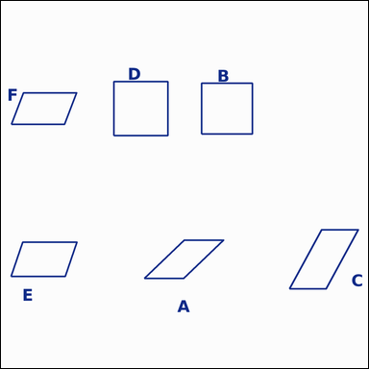 |  | task_geometry_counting_quadrilateral | parallelogram_only | Work from the image showing several labeled quadrilaterals. Answer this question: How many labeled quadrilaterals are parallelograms that are neither rectangles nor rhombuses? Return a valid JSON object with keys "evidence" and "answer" in that order. Evidence requirement: set "evidence" to a sorted JSON array of the labels of all quadrilaterals that match the requested type. Answer format: set "answer" to the count as an integer. Example JSON: {"evidence":["B","E"],"answer":2} | Work from the image showing several labeled quadrilaterals. Answer this question: How many labeled quadrilaterals are parallelograms that are neither rectangles nor rhombuses? Return a valid JSON object with key "answer". Answer field: set "answer" to the count as an integer. Example JSON: {"answer":2} | {"evidence": ["A", "C", "E", "F"], "answer": 4} | ["A", "C", "E", "F"] | integer | label_set | 2.6592195716E+15 | geometry/task_geometry_counting_quadrilateral/images/parallelogram_only/0019.png | geometry/task_geometry_counting_quadrilateral/data/parallelogram_only/0019.json
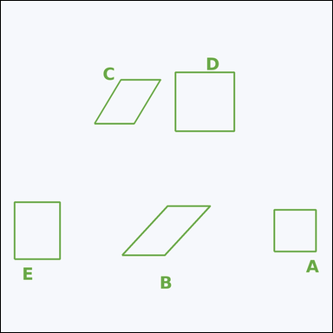 |  | task_geometry_counting_quadrilateral | parallelogram_only | Use the diagram showing several labeled quadrilaterals. Determine the answer: How many labeled quadrilaterals are parallelograms that are neither rectangles nor rhombuses? Return a valid JSON object with keys "evidence" and "answer" in that order. Evidence rule: set "evidence" to a sorted JSON array of the labels of all quadrilaterals that match the requested type. Answer rule: set "answer" to the count as an integer. Example JSON: {"evidence":["B","E"],"answer":2} | Use the diagram showing several labeled quadrilaterals. Determine the answer: How many labeled quadrilaterals are parallelograms that are neither rectangles nor rhombuses? Return a valid JSON object with key "answer". Answer requirement: set "answer" to the count as an integer. Example JSON: {"answer":2} | {"evidence": ["B", "C"], "answer": 2} | ["B", "C"] | integer | label_set | 2.9115976701E+15 | geometry/task_geometry_counting_quadrilateral/images/parallelogram_only/0014.png | geometry/task_geometry_counting_quadrilateral/data/parallelogram_only/0014.json
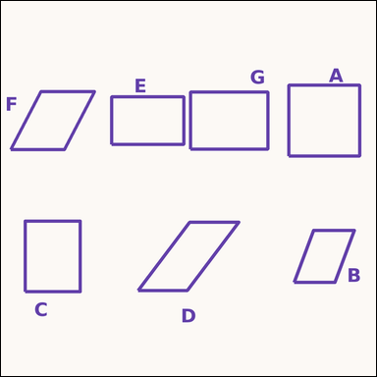 |  | task_geometry_counting_quadrilateral | parallelogram_only | You are given an image showing several labeled quadrilaterals. Determine the answer: How many labeled quadrilaterals are parallelograms that are neither rectangles nor rhombuses? Return a valid JSON object with keys "evidence" and "answer" in that order. Evidence format: set "evidence" to a sorted JSON array of the labels of all quadrilaterals that match the requested type. Answer requirement: set "answer" to the count as an integer. Example JSON: {"evidence":["B","E"],"answer":2} | You are given an image showing several labeled quadrilaterals. Determine the answer: How many labeled quadrilaterals are parallelograms that are neither rectangles nor rhombuses? Return a valid JSON object with key "answer". Answer requirement: set "answer" to the count as an integer. Example JSON: {"answer":2} | {"evidence": ["B", "D", "F"], "answer": 3} | ["B", "D", "F"] | integer | label_set | 2.9220933919E+15 | geometry/task_geometry_counting_quadrilateral/images/parallelogram_only/0004.png | geometry/task_geometry_counting_quadrilateral/data/parallelogram_only/0004.json
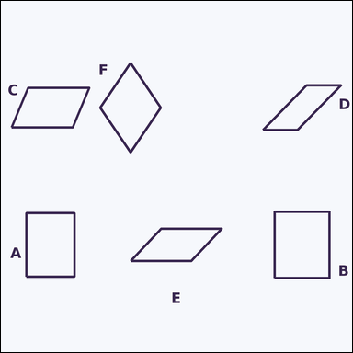 |  | task_geometry_counting_quadrilateral | parallelogram_only | The image shows several labeled quadrilaterals. Answer this question: How many labeled quadrilaterals are parallelograms that are neither rectangles nor rhombuses? Return a valid JSON object with keys "evidence" and "answer" in that order. Evidence rule: set "evidence" to a sorted JSON array of the labels of all quadrilaterals that match the requested type. Answer rule: set "answer" to the count as an integer. Example JSON: {"evidence":["B","E"],"answer":2} | The image shows several labeled quadrilaterals. Answer this question: How many labeled quadrilaterals are parallelograms that are neither rectangles nor rhombuses? Return a valid JSON object with key "answer". Answer rule: set "answer" to the count as an integer. Example JSON: {"answer":2} | {"evidence": ["C", "D", "E"], "answer": 3} | ["C", "D", "E"] | integer | label_set | 3.3840223741E+15 | geometry/task_geometry_counting_quadrilateral/images/parallelogram_only/0000.png | geometry/task_geometry_counting_quadrilateral/data/parallelogram_only/0000.json
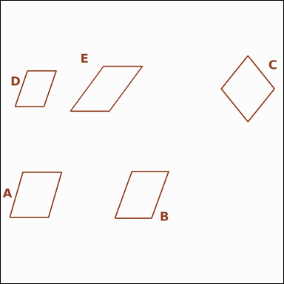 |  | task_geometry_counting_quadrilateral | parallelogram_only | Work from the image showing several labeled quadrilaterals. Determine the answer: How many labeled quadrilaterals are parallelograms that are neither rectangles nor rhombuses? Return a valid JSON object with keys "evidence" and "answer" in that order. Evidence rule: set "evidence" to a sorted JSON array of the labels of all quadrilaterals that match the requested type. Answer rule: set "answer" to the count as an integer. Example JSON: {"evidence":["B","E"],"answer":2} | Work from the image showing several labeled quadrilaterals. Determine the answer: How many labeled quadrilaterals are parallelograms that are neither rectangles nor rhombuses? Return a valid JSON object with key "answer". Answer field: set "answer" to the count as an integer. Example JSON: {"answer":2} | {"evidence": ["A", "B", "D", "E"], "answer": 4} | ["A", "B", "D", "E"] | integer | label_set | 3.894450838E+15 | geometry/task_geometry_counting_quadrilateral/images/parallelogram_only/0003.png | geometry/task_geometry_counting_quadrilateral/data/parallelogram_only/0003.json
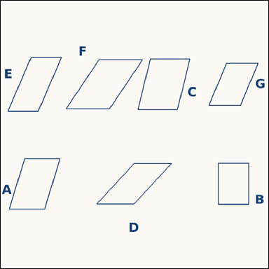 |  | task_geometry_counting_quadrilateral | parallelogram_only | You are given an image showing several labeled quadrilaterals. How many labeled quadrilaterals are parallelograms that are neither rectangles nor rhombuses? Return a valid JSON object with keys "evidence" and "answer" in that order. Evidence: set "evidence" to a sorted JSON array of the labels of all quadrilaterals that match the requested type. Answer: set "answer" to the count as an integer. Example JSON: {"evidence":["B","E"],"answer":2} | You are given an image showing several labeled quadrilaterals. How many labeled quadrilaterals are parallelograms that are neither rectangles nor rhombuses? Return a valid JSON object with key "answer". Answer requirement: set "answer" to the count as an integer. Example JSON: {"answer":2} | {"evidence": ["A", "C", "D", "E", "F", "G"], "answer": 6} | ["A", "C", "D", "E", "F", "G"] | integer | label_set | 4.6150580396E+15 | geometry/task_geometry_counting_quadrilateral/images/parallelogram_only/0018.png | geometry/task_geometry_counting_quadrilateral/data/parallelogram_only/0018.json
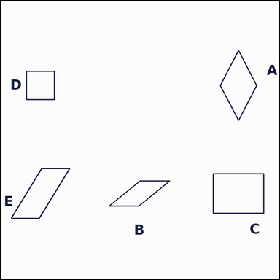 |  | task_geometry_counting_quadrilateral | parallelogram_only | Work from the image showing several labeled quadrilaterals. Question: How many labeled quadrilaterals are parallelograms that are neither rectangles nor rhombuses? Return a valid JSON object with keys "evidence" and "answer" in that order. Evidence rule: set "evidence" to a sorted JSON array of the labels of all quadrilaterals that match the requested type. Answer rule: set "answer" to the count as an integer. Example JSON: {"evidence":["B","E"],"answer":2} | Work from the image showing several labeled quadrilaterals. Question: How many labeled quadrilaterals are parallelograms that are neither rectangles nor rhombuses? Return a valid JSON object with key "answer". Answer field: set "answer" to the count as an integer. Example JSON: {"answer":2} | {"evidence": ["B", "E"], "answer": 2} | ["B", "E"] | integer | label_set | 4.7320256647E+15 | geometry/task_geometry_counting_quadrilateral/images/parallelogram_only/0011.png | geometry/task_geometry_counting_quadrilateral/data/parallelogram_only/0011.json
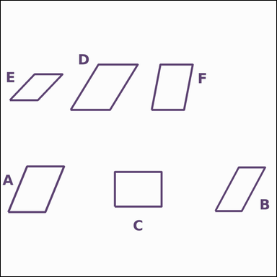 |  | task_geometry_counting_quadrilateral | parallelogram_only | The image shows several labeled quadrilaterals. Task: How many labeled quadrilaterals are parallelograms that are neither rectangles nor rhombuses? Return a valid JSON object with keys "evidence" and "answer" in that order. Evidence rule: set "evidence" to a sorted JSON array of the labels of all quadrilaterals that match the requested type. Answer rule: set "answer" to the count as an integer. Example JSON: {"evidence":["B","E"],"answer":2} | The image shows several labeled quadrilaterals. Task: How many labeled quadrilaterals are parallelograms that are neither rectangles nor rhombuses? Return a valid JSON object with key "answer". Answer requirement: set "answer" to the count as an integer. Example JSON: {"answer":2} | {"evidence": ["A", "B", "D", "E", "F"], "answer": 5} | ["A", "B", "D", "E", "F"] | integer | label_set | 4.9452445332E+15 | geometry/task_geometry_counting_quadrilateral/images/parallelogram_only/0024.png | geometry/task_geometry_counting_quadrilateral/data/parallelogram_only/0024.json
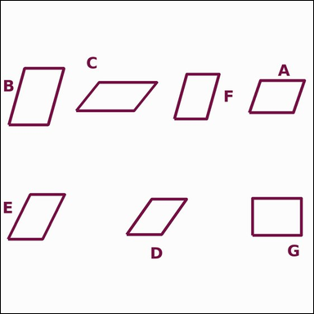 |  | task_geometry_counting_quadrilateral | parallelogram_only | Look at the image showing several labeled quadrilaterals. Answer this question: How many labeled quadrilaterals are parallelograms that are neither rectangles nor rhombuses? Return a valid JSON object with keys "evidence" and "answer" in that order. Evidence format: set "evidence" to a sorted JSON array of the labels of all quadrilaterals that match the requested type. Answer requirement: set "answer" to the count as an integer. Example JSON: {"evidence":["B","E"],"answer":2} | Look at the image showing several labeled quadrilaterals. Answer this question: How many labeled quadrilaterals are parallelograms that are neither rectangles nor rhombuses? Return a valid JSON object with key "answer". Answer requirement: set "answer" to the count as an integer. Example JSON: {"answer":2} | {"evidence": ["A", "B", "C", "D", "E", "F"], "answer": 6} | ["A", "B", "C", "D", "E", "F"] | integer | label_set | 5.0024739817E+15 | geometry/task_geometry_counting_quadrilateral/images/parallelogram_only/0008.png | geometry/task_geometry_counting_quadrilateral/data/parallelogram_only/0008.json
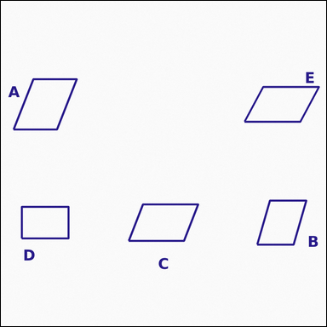 |  | task_geometry_counting_quadrilateral | parallelogram_only | You are given an image showing several labeled quadrilaterals. Determine the answer: How many labeled quadrilaterals are parallelograms that are neither rectangles nor rhombuses? Return a valid JSON object with keys "evidence" and "answer" in that order. Evidence requirement: set "evidence" to a sorted JSON array of the labels of all quadrilaterals that match the requested type. Answer format: set "answer" to the count as an integer. Example JSON: {"evidence":["B","E"],"answer":2} | You are given an image showing several labeled quadrilaterals. Determine the answer: How many labeled quadrilaterals are parallelograms that are neither rectangles nor rhombuses? Return a valid JSON object with key "answer". Answer: set "answer" to the count as an integer. Example JSON: {"answer":2} | {"evidence": ["A", "B", "C", "E"], "answer": 4} | ["A", "B", "C", "E"] | integer | label_set | 5.0919019707E+15 | geometry/task_geometry_counting_quadrilateral/images/parallelogram_only/0006.png | geometry/task_geometry_counting_quadrilateral/data/parallelogram_only/0006.json
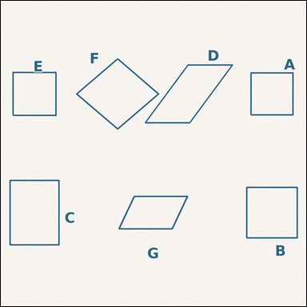 |  | task_geometry_counting_quadrilateral | parallelogram_only | Use the diagram showing several labeled quadrilaterals. Question: How many labeled quadrilaterals are parallelograms that are neither rectangles nor rhombuses? Return a valid JSON object with keys "evidence" and "answer" in that order. Evidence requirement: set "evidence" to a sorted JSON array of the labels of all quadrilaterals that match the requested type. Answer format: set "answer" to the count as an integer. Example JSON: {"evidence":["B","E"],"answer":2} | Use the diagram showing several labeled quadrilaterals. Question: How many labeled quadrilaterals are parallelograms that are neither rectangles nor rhombuses? Return a valid JSON object with key "answer". Answer requirement: set "answer" to the count as an integer. Example JSON: {"answer":2} | {"evidence": ["D", "G"], "answer": 2} | ["D", "G"] | integer | label_set | 5.2180344484E+15 | geometry/task_geometry_counting_quadrilateral/images/parallelogram_only/0015.png | geometry/task_geometry_counting_quadrilateral/data/parallelogram_only/0015.json
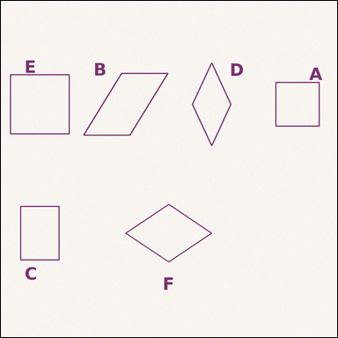 |  | task_geometry_counting_quadrilateral | parallelogram_only | Work from the image showing several labeled quadrilaterals. Determine the answer: How many labeled quadrilaterals are parallelograms that are neither rectangles nor rhombuses? Return a valid JSON object with keys "evidence" and "answer" in that order. Evidence field: set "evidence" to a sorted JSON array of the labels of all quadrilaterals that match the requested type. Answer field: set "answer" to the count as an integer. Example JSON: {"evidence":["B","E"],"answer":2} | Work from the image showing several labeled quadrilaterals. Determine the answer: How many labeled quadrilaterals are parallelograms that are neither rectangles nor rhombuses? Return a valid JSON object with key "answer". Answer rule: set "answer" to the count as an integer. Example JSON: {"answer":2} | {"evidence": ["B"], "answer": 1} | ["B"] | integer | label_set | 5.2226770025E+15 | geometry/task_geometry_counting_quadrilateral/images/parallelogram_only/0021.png | geometry/task_geometry_counting_quadrilateral/data/parallelogram_only/0021.json
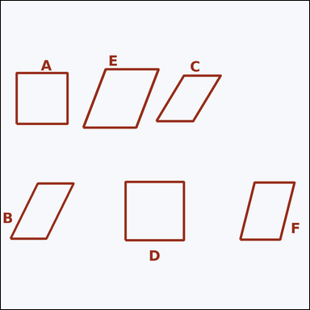 |  | task_geometry_counting_quadrilateral | parallelogram_only | The image shows several labeled quadrilaterals. Determine the answer: How many labeled quadrilaterals are parallelograms that are neither rectangles nor rhombuses? Return a valid JSON object with keys "evidence" and "answer" in that order. Evidence requirement: set "evidence" to a sorted JSON array of the labels of all quadrilaterals that match the requested type. Answer format: set "answer" to the count as an integer. Example JSON: {"evidence":["B","E"],"answer":2} | The image shows several labeled quadrilaterals. Determine the answer: How many labeled quadrilaterals are parallelograms that are neither rectangles nor rhombuses? Return a valid JSON object with key "answer". Answer: set "answer" to the count as an integer. Example JSON: {"answer":2} | {"evidence": ["B", "C", "E", "F"], "answer": 4} | ["B", "C", "E", "F"] | integer | label_set | 5.4321209514E+15 | geometry/task_geometry_counting_quadrilateral/images/parallelogram_only/0022.png | geometry/task_geometry_counting_quadrilateral/data/parallelogram_only/0022.json
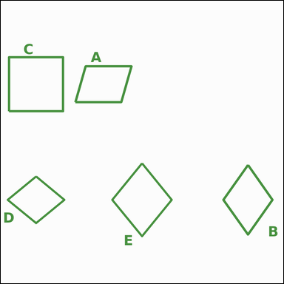 |  | task_geometry_counting_quadrilateral | parallelogram_only | You are given an image showing several labeled quadrilaterals. Answer this question: How many labeled quadrilaterals are parallelograms that are neither rectangles nor rhombuses? Return a valid JSON object with keys "evidence" and "answer" in that order. Evidence: set "evidence" to a sorted JSON array of the labels of all quadrilaterals that match the requested type. Answer: set "answer" to the count as an integer. Example JSON: {"evidence":["B","E"],"answer":2} | You are given an image showing several labeled quadrilaterals. Answer this question: How many labeled quadrilaterals are parallelograms that are neither rectangles nor rhombuses? Return a valid JSON object with key "answer". Answer field: set "answer" to the count as an integer. Example JSON: {"answer":2} | {"evidence": ["A"], "answer": 1} | ["A"] | integer | label_set | 6.0843934581E+15 | geometry/task_geometry_counting_quadrilateral/images/parallelogram_only/0010.png | geometry/task_geometry_counting_quadrilateral/data/parallelogram_only/0010.json
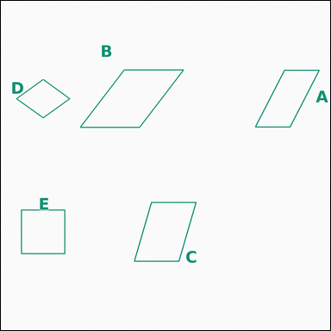 |  | task_geometry_counting_quadrilateral | parallelogram_only | You are given an image showing several labeled quadrilaterals. Task: How many labeled quadrilaterals are parallelograms that are neither rectangles nor rhombuses? Return a valid JSON object with keys "evidence" and "answer" in that order. Evidence field: set "evidence" to a sorted JSON array of the labels of all quadrilaterals that match the requested type. Answer field: set "answer" to the count as an integer. Example JSON: {"evidence":["B","E"],"answer":2} | You are given an image showing several labeled quadrilaterals. Task: How many labeled quadrilaterals are parallelograms that are neither rectangles nor rhombuses? Return a valid JSON object with key "answer". Answer requirement: set "answer" to the count as an integer. Example JSON: {"answer":2} | {"evidence": ["A", "B", "C"], "answer": 3} | ["A", "B", "C"] | integer | label_set | 6.3391937714E+15 | geometry/task_geometry_counting_quadrilateral/images/parallelogram_only/0005.png | geometry/task_geometry_counting_quadrilateral/data/parallelogram_only/0005.json
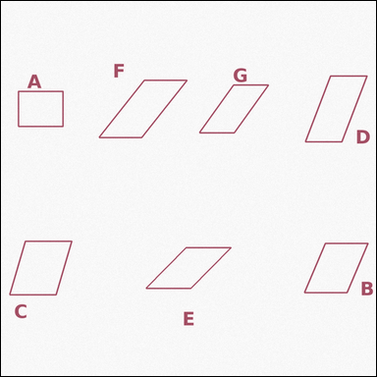 |  | task_geometry_counting_quadrilateral | parallelogram_only | Look at the image showing several labeled quadrilaterals. Question: How many labeled quadrilaterals are parallelograms that are neither rectangles nor rhombuses? Return a valid JSON object with keys "evidence" and "answer" in that order. Evidence: set "evidence" to a sorted JSON array of the labels of all quadrilaterals that match the requested type. Answer: set "answer" to the count as an integer. Example JSON: {"evidence":["B","E"],"answer":2} | Look at the image showing several labeled quadrilaterals. Question: How many labeled quadrilaterals are parallelograms that are neither rectangles nor rhombuses? Return a valid JSON object with key "answer". Answer field: set "answer" to the count as an integer. Example JSON: {"answer":2} | {"evidence": ["B", "C", "D", "E", "F", "G"], "answer": 6} | ["B", "C", "D", "E", "F", "G"] | integer | label_set | 6.5226056396E+15 | geometry/task_geometry_counting_quadrilateral/images/parallelogram_only/0020.png | geometry/task_geometry_counting_quadrilateral/data/parallelogram_only/0020.json
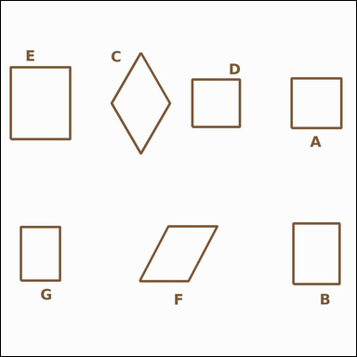 |  | task_geometry_counting_quadrilateral | parallelogram_only | You are given an image showing several labeled quadrilaterals. Answer this question: How many labeled quadrilaterals are parallelograms that are neither rectangles nor rhombuses? Return a valid JSON object with keys "evidence" and "answer" in that order. Evidence field: set "evidence" to a sorted JSON array of the labels of all quadrilaterals that match the requested type. Answer field: set "answer" to the count as an integer. Example JSON: {"evidence":["B","E"],"answer":2} | You are given an image showing several labeled quadrilaterals. Answer this question: How many labeled quadrilaterals are parallelograms that are neither rectangles nor rhombuses? Return a valid JSON object with key "answer". Answer requirement: set "answer" to the count as an integer. Example JSON: {"answer":2} | {"evidence": ["F"], "answer": 1} | ["F"] | integer | label_set | 6.9096608162E+15 | geometry/task_geometry_counting_quadrilateral/images/parallelogram_only/0013.png | geometry/task_geometry_counting_quadrilateral/data/parallelogram_only/0013.json
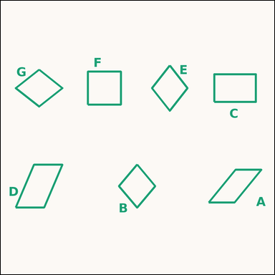 |  | task_geometry_counting_quadrilateral | parallelogram_only | Use the diagram showing several labeled quadrilaterals. Task: How many labeled quadrilaterals are parallelograms that are neither rectangles nor rhombuses? Return a valid JSON object with keys "evidence" and "answer" in that order. Evidence field: set "evidence" to a sorted JSON array of the labels of all quadrilaterals that match the requested type. Answer field: set "answer" to the count as an integer. Example JSON: {"evidence":["B","E"],"answer":2} | Use the diagram showing several labeled quadrilaterals. Task: How many labeled quadrilaterals are parallelograms that are neither rectangles nor rhombuses? Return a valid JSON object with key "answer". Answer field: set "answer" to the count as an integer. Example JSON: {"answer":2} | {"evidence": ["A", "D"], "answer": 2} | ["A", "D"] | integer | label_set | 7.150973011E+15 | geometry/task_geometry_counting_quadrilateral/images/parallelogram_only/0017.png | geometry/task_geometry_counting_quadrilateral/data/parallelogram_only/0017.json
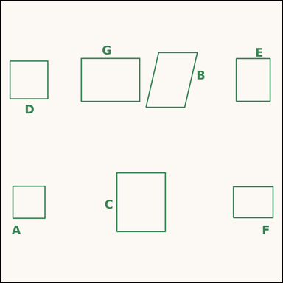 |  | task_geometry_counting_quadrilateral | parallelogram_only | The image shows several labeled quadrilaterals. Question: How many labeled quadrilaterals are parallelograms that are neither rectangles nor rhombuses? Return a valid JSON object with keys "evidence" and "answer" in that order. Evidence requirement: set "evidence" to a sorted JSON array of the labels of all quadrilaterals that match the requested type. Answer format: set "answer" to the count as an integer. Example JSON: {"evidence":["B","E"],"answer":2} | The image shows several labeled quadrilaterals. Question: How many labeled quadrilaterals are parallelograms that are neither rectangles nor rhombuses? Return a valid JSON object with key "answer". Answer field: set "answer" to the count as an integer. Example JSON: {"answer":2} | {"evidence": ["B"], "answer": 1} | ["B"] | integer | label_set | 8.1310956069E+15 | geometry/task_geometry_counting_quadrilateral/images/parallelogram_only/0016.png | geometry/task_geometry_counting_quadrilateral/data/parallelogram_only/0016.json
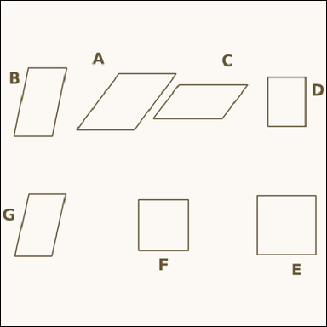 |  | task_geometry_counting_quadrilateral | parallelogram_only | Use the diagram showing several labeled quadrilaterals. Determine the answer: How many labeled quadrilaterals are parallelograms that are neither rectangles nor rhombuses? Return a valid JSON object with keys "evidence" and "answer" in that order. Evidence rule: set "evidence" to a sorted JSON array of the labels of all quadrilaterals that match the requested type. Answer rule: set "answer" to the count as an integer. Example JSON: {"evidence":["B","E"],"answer":2} | Use the diagram showing several labeled quadrilaterals. Determine the answer: How many labeled quadrilaterals are parallelograms that are neither rectangles nor rhombuses? Return a valid JSON object with key "answer". Answer rule: set "answer" to the count as an integer. Example JSON: {"answer":2} | {"evidence": ["A", "B", "C", "G"], "answer": 4} | ["A", "B", "C", "G"] | integer | label_set | 8.4721395526E+15 | geometry/task_geometry_counting_quadrilateral/images/parallelogram_only/0012.png | geometry/task_geometry_counting_quadrilateral/data/parallelogram_only/0012.json
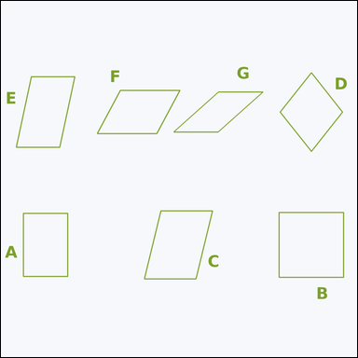 |  | task_geometry_counting_quadrilateral | parallelogram_only | Work from the image showing several labeled quadrilaterals. Answer this question: How many labeled quadrilaterals are parallelograms that are neither rectangles nor rhombuses? Return a valid JSON object with keys "evidence" and "answer" in that order. Evidence: set "evidence" to a sorted JSON array of the labels of all quadrilaterals that match the requested type. Answer: set "answer" to the count as an integer. Example JSON: {"evidence":["B","E"],"answer":2} | Work from the image showing several labeled quadrilaterals. Answer this question: How many labeled quadrilaterals are parallelograms that are neither rectangles nor rhombuses? Return a valid JSON object with key "answer". Answer format: set "answer" to the count as an integer. Example JSON: {"answer":2} | {"evidence": ["C", "E", "F", "G"], "answer": 4} | ["C", "E", "F", "G"] | integer | label_set | 8.6149603584E+15 | geometry/task_geometry_counting_quadrilateral/images/parallelogram_only/0007.png | geometry/task_geometry_counting_quadrilateral/data/parallelogram_only/0007.json

rectangle_non_square
image | evidence_image | task | task_variant | prompt | prompt_answer_only | answer | answer_evidence | answer_type | evidence_type | instance_seed | image_path | data_path
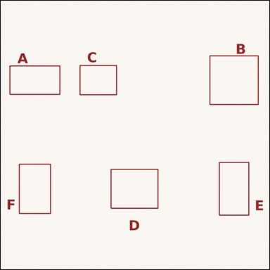 |  | task_geometry_counting_quadrilateral | rectangle_non_square | Use the diagram showing several labeled quadrilaterals. How many labeled quadrilaterals are rectangles but not squares? Return a valid JSON object with keys "evidence" and "answer" in that order. Evidence format: set "evidence" to a sorted JSON array of the labels of all quadrilaterals that match the requested type. Answer requirement: set "answer" to the count as an integer. Example JSON: {"evidence":["B","E"],"answer":2} | Use the diagram showing several labeled quadrilaterals. How many labeled quadrilaterals are rectangles but not squares? Return a valid JSON object with key "answer". Answer rule: set "answer" to the count as an integer. Example JSON: {"answer":2} | {"evidence": ["A", "C", "D", "E", "F"], "answer": 5} | ["A", "C", "D", "E", "F"] | integer | label_set | 732752277015317 | geometry/task_geometry_counting_quadrilateral/images/rectangle_non_square/0007.png | geometry/task_geometry_counting_quadrilateral/data/rectangle_non_square/0007.json
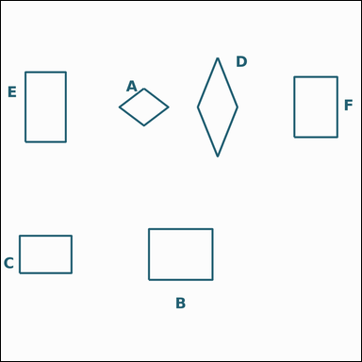 |  | task_geometry_counting_quadrilateral | rectangle_non_square | You are given an image showing several labeled quadrilaterals. Question: How many labeled quadrilaterals are rectangles but not squares? Return a valid JSON object with keys "evidence" and "answer" in that order. Evidence format: set "evidence" to a sorted JSON array of the labels of all quadrilaterals that match the requested type. Answer requirement: set "answer" to the count as an integer. Example JSON: {"evidence":["B","E"],"answer":2} | You are given an image showing several labeled quadrilaterals. Question: How many labeled quadrilaterals are rectangles but not squares? Return a valid JSON object with key "answer". Answer format: set "answer" to the count as an integer. Example JSON: {"answer":2} | {"evidence": ["B", "C", "E", "F"], "answer": 4} | ["B", "C", "E", "F"] | integer | label_set | 1.0147394066E+15 | geometry/task_geometry_counting_quadrilateral/images/rectangle_non_square/0017.png | geometry/task_geometry_counting_quadrilateral/data/rectangle_non_square/0017.json
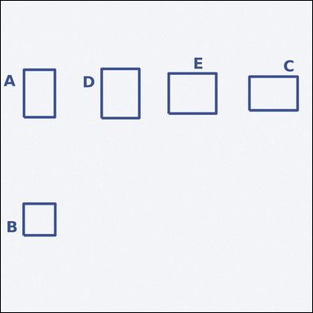 |  | task_geometry_counting_quadrilateral | rectangle_non_square | Work from the image showing several labeled quadrilaterals. Answer this question: How many labeled quadrilaterals are rectangles but not squares? Return a valid JSON object with keys "evidence" and "answer" in that order. Evidence rule: set "evidence" to a sorted JSON array of the labels of all quadrilaterals that match the requested type. Answer rule: set "answer" to the count as an integer. Example JSON: {"evidence":["B","E"],"answer":2} | Work from the image showing several labeled quadrilaterals. Answer this question: How many labeled quadrilaterals are rectangles but not squares? Return a valid JSON object with key "answer". Answer: set "answer" to the count as an integer. Example JSON: {"answer":2} | {"evidence": ["A", "C", "D", "E"], "answer": 4} | ["A", "C", "D", "E"] | integer | label_set | 1.28160483E+15 | geometry/task_geometry_counting_quadrilateral/images/rectangle_non_square/0009.png | geometry/task_geometry_counting_quadrilateral/data/rectangle_non_square/0009.json
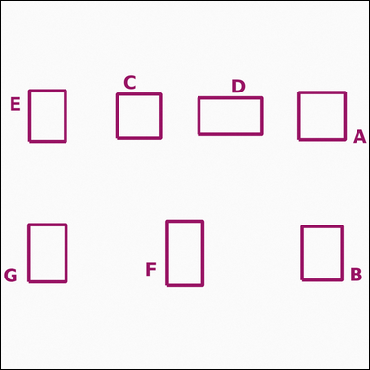 |  | task_geometry_counting_quadrilateral | rectangle_non_square | You are given an image showing several labeled quadrilaterals. Task: How many labeled quadrilaterals are rectangles but not squares? Return a valid JSON object with keys "evidence" and "answer" in that order. Evidence format: set "evidence" to a sorted JSON array of the labels of all quadrilaterals that match the requested type. Answer requirement: set "answer" to the count as an integer. Example JSON: {"evidence":["B","E"],"answer":2} | You are given an image showing several labeled quadrilaterals. Task: How many labeled quadrilaterals are rectangles but not squares? Return a valid JSON object with key "answer". Answer requirement: set "answer" to the count as an integer. Example JSON: {"answer":2} | {"evidence": ["B", "D", "E", "F", "G"], "answer": 5} | ["B", "D", "E", "F", "G"] | integer | label_set | 1.6903314905E+15 | geometry/task_geometry_counting_quadrilateral/images/rectangle_non_square/0016.png | geometry/task_geometry_counting_quadrilateral/data/rectangle_non_square/0016.json
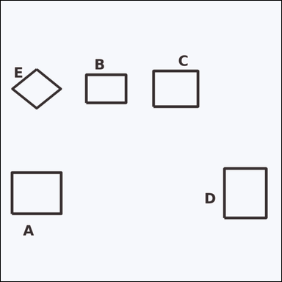 |  | task_geometry_counting_quadrilateral | rectangle_non_square | The image shows several labeled quadrilaterals. Determine the answer: How many labeled quadrilaterals are rectangles but not squares? Return a valid JSON object with keys "evidence" and "answer" in that order. Evidence: set "evidence" to a sorted JSON array of the labels of all quadrilaterals that match the requested type. Answer: set "answer" to the count as an integer. Example JSON: {"evidence":["B","E"],"answer":2} | The image shows several labeled quadrilaterals. Determine the answer: How many labeled quadrilaterals are rectangles but not squares? Return a valid JSON object with key "answer". Answer field: set "answer" to the count as an integer. Example JSON: {"answer":2} | {"evidence": ["A", "B", "C", "D"], "answer": 4} | ["A", "B", "C", "D"] | integer | label_set | 1.8202337837E+15 | geometry/task_geometry_counting_quadrilateral/images/rectangle_non_square/0000.png | geometry/task_geometry_counting_quadrilateral/data/rectangle_non_square/0000.json
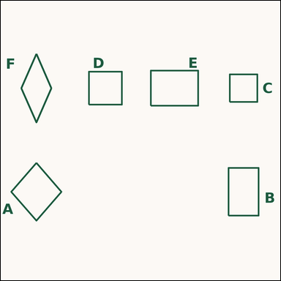 |  | task_geometry_counting_quadrilateral | rectangle_non_square | The image shows several labeled quadrilaterals. Task: How many labeled quadrilaterals are rectangles but not squares? Return a valid JSON object with keys "evidence" and "answer" in that order. Evidence format: set "evidence" to a sorted JSON array of the labels of all quadrilaterals that match the requested type. Answer requirement: set "answer" to the count as an integer. Example JSON: {"evidence":["B","E"],"answer":2} | The image shows several labeled quadrilaterals. Task: How many labeled quadrilaterals are rectangles but not squares? Return a valid JSON object with key "answer". Answer format: set "answer" to the count as an integer. Example JSON: {"answer":2} | {"evidence": ["B", "E"], "answer": 2} | ["B", "E"] | integer | label_set | 2.028097694E+15 | geometry/task_geometry_counting_quadrilateral/images/rectangle_non_square/0003.png | geometry/task_geometry_counting_quadrilateral/data/rectangle_non_square/0003.json
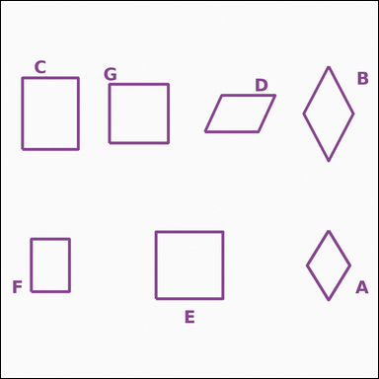 |  | task_geometry_counting_quadrilateral | rectangle_non_square | Work from the image showing several labeled quadrilaterals. Question: How many labeled quadrilaterals are rectangles but not squares? Return a valid JSON object with keys "evidence" and "answer" in that order. Evidence field: set "evidence" to a sorted JSON array of the labels of all quadrilaterals that match the requested type. Answer field: set "answer" to the count as an integer. Example JSON: {"evidence":["B","E"],"answer":2} | Work from the image showing several labeled quadrilaterals. Question: How many labeled quadrilaterals are rectangles but not squares? Return a valid JSON object with key "answer". Answer requirement: set "answer" to the count as an integer. Example JSON: {"answer":2} | {"evidence": ["C", "F"], "answer": 2} | ["C", "F"] | integer | label_set | 2.3061949544E+15 | geometry/task_geometry_counting_quadrilateral/images/rectangle_non_square/0019.png | geometry/task_geometry_counting_quadrilateral/data/rectangle_non_square/0019.json
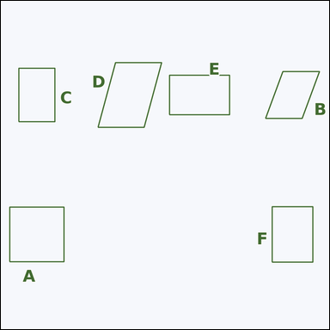 |  | task_geometry_counting_quadrilateral | rectangle_non_square | You are given an image showing several labeled quadrilaterals. Answer this question: How many labeled quadrilaterals are rectangles but not squares? Return a valid JSON object with keys "evidence" and "answer" in that order. Evidence rule: set "evidence" to a sorted JSON array of the labels of all quadrilaterals that match the requested type. Answer rule: set "answer" to the count as an integer. Example JSON: {"evidence":["B","E"],"answer":2} | You are given an image showing several labeled quadrilaterals. Answer this question: How many labeled quadrilaterals are rectangles but not squares? Return a valid JSON object with key "answer". Answer format: set "answer" to the count as an integer. Example JSON: {"answer":2} | {"evidence": ["C", "E", "F"], "answer": 3} | ["C", "E", "F"] | integer | label_set | 2.9164449376E+15 | geometry/task_geometry_counting_quadrilateral/images/rectangle_non_square/0018.png | geometry/task_geometry_counting_quadrilateral/data/rectangle_non_square/0018.json
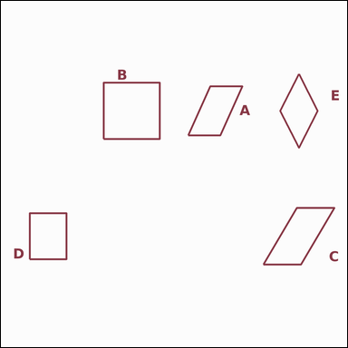 |  | task_geometry_counting_quadrilateral | rectangle_non_square | Look at the image showing several labeled quadrilaterals. How many labeled quadrilaterals are rectangles but not squares? Return a valid JSON object with keys "evidence" and "answer" in that order. Evidence requirement: set "evidence" to a sorted JSON array of the labels of all quadrilaterals that match the requested type. Answer format: set "answer" to the count as an integer. Example JSON: {"evidence":["B","E"],"answer":2} | Look at the image showing several labeled quadrilaterals. How many labeled quadrilaterals are rectangles but not squares? Return a valid JSON object with key "answer". Answer field: set "answer" to the count as an integer. Example JSON: {"answer":2} | {"evidence": ["D"], "answer": 1} | ["D"] | integer | label_set | 2.9540995404E+15 | geometry/task_geometry_counting_quadrilateral/images/rectangle_non_square/0013.png | geometry/task_geometry_counting_quadrilateral/data/rectangle_non_square/0013.json
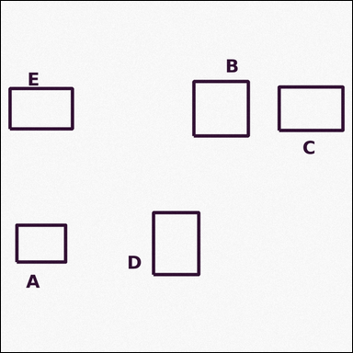 |  | task_geometry_counting_quadrilateral | rectangle_non_square | You are given an image showing several labeled quadrilaterals. Determine the answer: How many labeled quadrilaterals are rectangles but not squares? Return a valid JSON object with keys "evidence" and "answer" in that order. Evidence field: set "evidence" to a sorted JSON array of the labels of all quadrilaterals that match the requested type. Answer field: set "answer" to the count as an integer. Example JSON: {"evidence":["B","E"],"answer":2} | You are given an image showing several labeled quadrilaterals. Determine the answer: How many labeled quadrilaterals are rectangles but not squares? Return a valid JSON object with key "answer". Answer field: set "answer" to the count as an integer. Example JSON: {"answer":2} | {"evidence": ["A", "C", "D", "E"], "answer": 4} | ["A", "C", "D", "E"] | integer | label_set | 3.0128795211E+15 | geometry/task_geometry_counting_quadrilateral/images/rectangle_non_square/0001.png | geometry/task_geometry_counting_quadrilateral/data/rectangle_non_square/0001.json
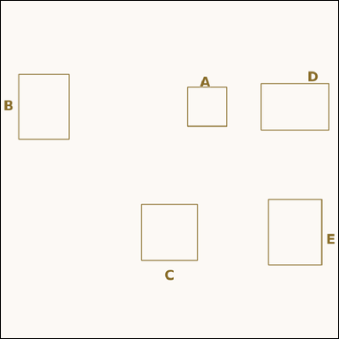 |  | task_geometry_counting_quadrilateral | rectangle_non_square | Look at the image showing several labeled quadrilaterals. Determine the answer: How many labeled quadrilaterals are rectangles but not squares? Return a valid JSON object with keys "evidence" and "answer" in that order. Evidence rule: set "evidence" to a sorted JSON array of the labels of all quadrilaterals that match the requested type. Answer rule: set "answer" to the count as an integer. Example JSON: {"evidence":["B","E"],"answer":2} | Look at the image showing several labeled quadrilaterals. Determine the answer: How many labeled quadrilaterals are rectangles but not squares? Return a valid JSON object with key "answer". Answer format: set "answer" to the count as an integer. Example JSON: {"answer":2} | {"evidence": ["B", "D", "E"], "answer": 3} | ["B", "D", "E"] | integer | label_set | 4.0312218551E+15 | geometry/task_geometry_counting_quadrilateral/images/rectangle_non_square/0015.png | geometry/task_geometry_counting_quadrilateral/data/rectangle_non_square/0015.json
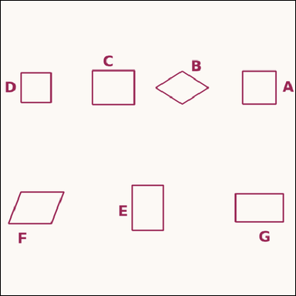 |  | task_geometry_counting_quadrilateral | rectangle_non_square | You are given an image showing several labeled quadrilaterals. Question: How many labeled quadrilaterals are rectangles but not squares? Return a valid JSON object with keys "evidence" and "answer" in that order. Evidence rule: set "evidence" to a sorted JSON array of the labels of all quadrilaterals that match the requested type. Answer rule: set "answer" to the count as an integer. Example JSON: {"evidence":["B","E"],"answer":2} | You are given an image showing several labeled quadrilaterals. Question: How many labeled quadrilaterals are rectangles but not squares? Return a valid JSON object with key "answer". Answer format: set "answer" to the count as an integer. Example JSON: {"answer":2} | {"evidence": ["C", "E", "G"], "answer": 3} | ["C", "E", "G"] | integer | label_set | 4.1549087368E+15 | geometry/task_geometry_counting_quadrilateral/images/rectangle_non_square/0021.png | geometry/task_geometry_counting_quadrilateral/data/rectangle_non_square/0021.json
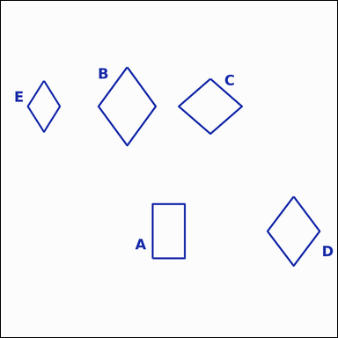 |  | task_geometry_counting_quadrilateral | rectangle_non_square | Use the diagram showing several labeled quadrilaterals. How many labeled quadrilaterals are rectangles but not squares? Return a valid JSON object with keys "evidence" and "answer" in that order. Evidence format: set "evidence" to a sorted JSON array of the labels of all quadrilaterals that match the requested type. Answer requirement: set "answer" to the count as an integer. Example JSON: {"evidence":["B","E"],"answer":2} | Use the diagram showing several labeled quadrilaterals. How many labeled quadrilaterals are rectangles but not squares? Return a valid JSON object with key "answer". Answer format: set "answer" to the count as an integer. Example JSON: {"answer":2} | {"evidence": ["A"], "answer": 1} | ["A"] | integer | label_set | 4.1847790746E+15 | geometry/task_geometry_counting_quadrilateral/images/rectangle_non_square/0006.png | geometry/task_geometry_counting_quadrilateral/data/rectangle_non_square/0006.json
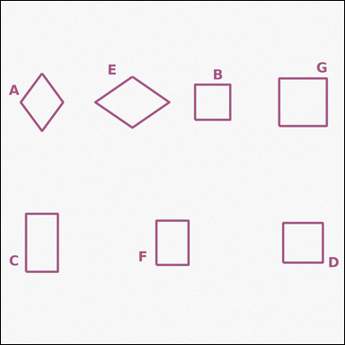 |  | task_geometry_counting_quadrilateral | rectangle_non_square | Use the diagram showing several labeled quadrilaterals. How many labeled quadrilaterals are rectangles but not squares? Return a valid JSON object with keys "evidence" and "answer" in that order. Evidence: set "evidence" to a sorted JSON array of the labels of all quadrilaterals that match the requested type. Answer: set "answer" to the count as an integer. Example JSON: {"evidence":["B","E"],"answer":2} | Use the diagram showing several labeled quadrilaterals. How many labeled quadrilaterals are rectangles but not squares? Return a valid JSON object with key "answer". Answer field: set "answer" to the count as an integer. Example JSON: {"answer":2} | {"evidence": ["C", "F"], "answer": 2} | ["C", "F"] | integer | label_set | 4.3519697445E+15 | geometry/task_geometry_counting_quadrilateral/images/rectangle_non_square/0024.png | geometry/task_geometry_counting_quadrilateral/data/rectangle_non_square/0024.json
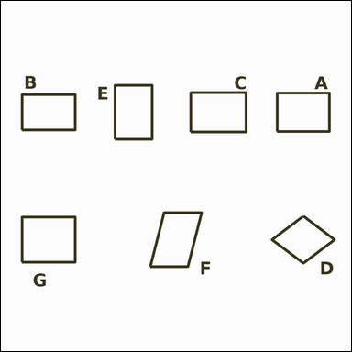 |  | task_geometry_counting_quadrilateral | rectangle_non_square | Look at the image showing several labeled quadrilaterals. Determine the answer: How many labeled quadrilaterals are rectangles but not squares? Return a valid JSON object with keys "evidence" and "answer" in that order. Evidence rule: set "evidence" to a sorted JSON array of the labels of all quadrilaterals that match the requested type. Answer rule: set "answer" to the count as an integer. Example JSON: {"evidence":["B","E"],"answer":2} | Look at the image showing several labeled quadrilaterals. Determine the answer: How many labeled quadrilaterals are rectangles but not squares? Return a valid JSON object with key "answer". Answer format: set "answer" to the count as an integer. Example JSON: {"answer":2} | {"evidence": ["A", "B", "C", "E", "G"], "answer": 5} | ["A", "B", "C", "E", "G"] | integer | label_set | 4.5723188141E+15 | geometry/task_geometry_counting_quadrilateral/images/rectangle_non_square/0004.png | geometry/task_geometry_counting_quadrilateral/data/rectangle_non_square/0004.json
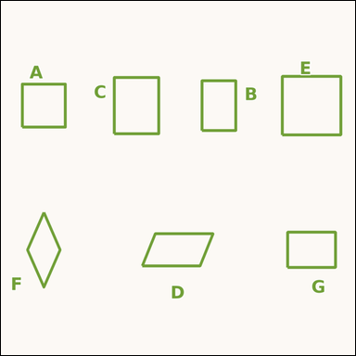 |  | task_geometry_counting_quadrilateral | rectangle_non_square | The image shows several labeled quadrilaterals. Determine the answer: How many labeled quadrilaterals are rectangles but not squares? Return a valid JSON object with keys "evidence" and "answer" in that order. Evidence requirement: set "evidence" to a sorted JSON array of the labels of all quadrilaterals that match the requested type. Answer format: set "answer" to the count as an integer. Example JSON: {"evidence":["B","E"],"answer":2} | The image shows several labeled quadrilaterals. Determine the answer: How many labeled quadrilaterals are rectangles but not squares? Return a valid JSON object with key "answer". Answer field: set "answer" to the count as an integer. Example JSON: {"answer":2} | {"evidence": ["B", "C", "G"], "answer": 3} | ["B", "C", "G"] | integer | label_set | 4.8247962199E+15 | geometry/task_geometry_counting_quadrilateral/images/rectangle_non_square/0014.png | geometry/task_geometry_counting_quadrilateral/data/rectangle_non_square/0014.json
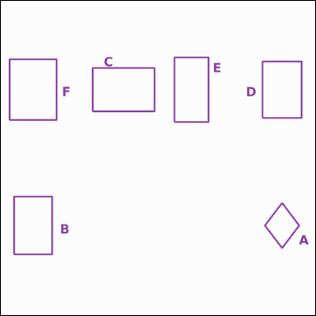 |  | task_geometry_counting_quadrilateral | rectangle_non_square | You are given an image showing several labeled quadrilaterals. How many labeled quadrilaterals are rectangles but not squares? Return a valid JSON object with keys "evidence" and "answer" in that order. Evidence rule: set "evidence" to a sorted JSON array of the labels of all quadrilaterals that match the requested type. Answer rule: set "answer" to the count as an integer. Example JSON: {"evidence":["B","E"],"answer":2} | You are given an image showing several labeled quadrilaterals. How many labeled quadrilaterals are rectangles but not squares? Return a valid JSON object with key "answer". Answer field: set "answer" to the count as an integer. Example JSON: {"answer":2} | {"evidence": ["B", "C", "D", "E", "F"], "answer": 5} | ["B", "C", "D", "E", "F"] | integer | label_set | 4.913793218E+15 | geometry/task_geometry_counting_quadrilateral/images/rectangle_non_square/0010.png | geometry/task_geometry_counting_quadrilateral/data/rectangle_non_square/0010.json
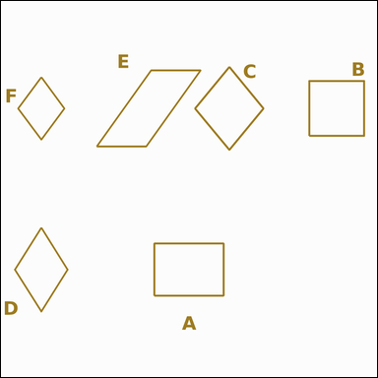 |  | task_geometry_counting_quadrilateral | rectangle_non_square | Work from the image showing several labeled quadrilaterals. Question: How many labeled quadrilaterals are rectangles but not squares? Return a valid JSON object with keys "evidence" and "answer" in that order. Evidence rule: set "evidence" to a sorted JSON array of the labels of all quadrilaterals that match the requested type. Answer rule: set "answer" to the count as an integer. Example JSON: {"evidence":["B","E"],"answer":2} | Work from the image showing several labeled quadrilaterals. Question: How many labeled quadrilaterals are rectangles but not squares? Return a valid JSON object with key "answer". Answer requirement: set "answer" to the count as an integer. Example JSON: {"answer":2} | {"evidence": ["A"], "answer": 1} | ["A"] | integer | label_set | 6.3511114472E+15 | geometry/task_geometry_counting_quadrilateral/images/rectangle_non_square/0011.png | geometry/task_geometry_counting_quadrilateral/data/rectangle_non_square/0011.json
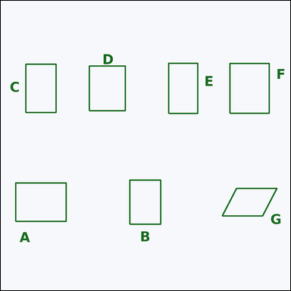 |  | task_geometry_counting_quadrilateral | rectangle_non_square | You are given an image showing several labeled quadrilaterals. How many labeled quadrilaterals are rectangles but not squares? Return a valid JSON object with keys "evidence" and "answer" in that order. Evidence requirement: set "evidence" to a sorted JSON array of the labels of all quadrilaterals that match the requested type. Answer format: set "answer" to the count as an integer. Example JSON: {"evidence":["B","E"],"answer":2} | You are given an image showing several labeled quadrilaterals. How many labeled quadrilaterals are rectangles but not squares? Return a valid JSON object with key "answer". Answer format: set "answer" to the count as an integer. Example JSON: {"answer":2} | {"evidence": ["A", "B", "C", "D", "E", "F"], "answer": 6} | ["A", "B", "C", "D", "E", "F"] | integer | label_set | 6.76778115E+15 | geometry/task_geometry_counting_quadrilateral/images/rectangle_non_square/0005.png | geometry/task_geometry_counting_quadrilateral/data/rectangle_non_square/0005.json
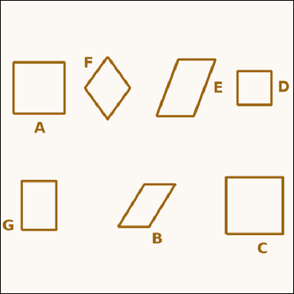 |  | task_geometry_counting_quadrilateral | rectangle_non_square | You are given an image showing several labeled quadrilaterals. How many labeled quadrilaterals are rectangles but not squares? Return a valid JSON object with keys "evidence" and "answer" in that order. Evidence rule: set "evidence" to a sorted JSON array of the labels of all quadrilaterals that match the requested type. Answer rule: set "answer" to the count as an integer. Example JSON: {"evidence":["B","E"],"answer":2} | You are given an image showing several labeled quadrilaterals. How many labeled quadrilaterals are rectangles but not squares? Return a valid JSON object with key "answer". Answer requirement: set "answer" to the count as an integer. Example JSON: {"answer":2} | {"evidence": ["G"], "answer": 1} | ["G"] | integer | label_set | 7.1479821022E+15 | geometry/task_geometry_counting_quadrilateral/images/rectangle_non_square/0023.png | geometry/task_geometry_counting_quadrilateral/data/rectangle_non_square/0023.json
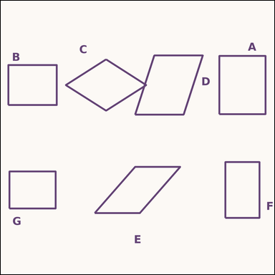 |  | task_geometry_counting_quadrilateral | rectangle_non_square | The image shows several labeled quadrilaterals. Determine the answer: How many labeled quadrilaterals are rectangles but not squares? Return a valid JSON object with keys "evidence" and "answer" in that order. Evidence format: set "evidence" to a sorted JSON array of the labels of all quadrilaterals that match the requested type. Answer requirement: set "answer" to the count as an integer. Example JSON: {"evidence":["B","E"],"answer":2} | The image shows several labeled quadrilaterals. Determine the answer: How many labeled quadrilaterals are rectangles but not squares? Return a valid JSON object with key "answer". Answer field: set "answer" to the count as an integer. Example JSON: {"answer":2} | {"evidence": ["A", "B", "F", "G"], "answer": 4} | ["A", "B", "F", "G"] | integer | label_set | 7.3303778118E+15 | geometry/task_geometry_counting_quadrilateral/images/rectangle_non_square/0012.png | geometry/task_geometry_counting_quadrilateral/data/rectangle_non_square/0012.json
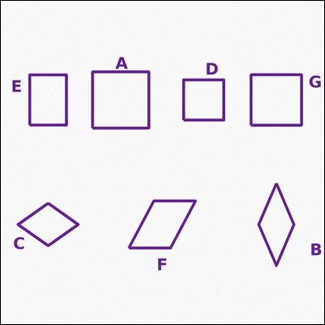 |  | task_geometry_counting_quadrilateral | rectangle_non_square | Look at the image showing several labeled quadrilaterals. How many labeled quadrilaterals are rectangles but not squares? Return a valid JSON object with keys "evidence" and "answer" in that order. Evidence field: set "evidence" to a sorted JSON array of the labels of all quadrilaterals that match the requested type. Answer field: set "answer" to the count as an integer. Example JSON: {"evidence":["B","E"],"answer":2} | Look at the image showing several labeled quadrilaterals. How many labeled quadrilaterals are rectangles but not squares? Return a valid JSON object with key "answer". Answer requirement: set "answer" to the count as an integer. Example JSON: {"answer":2} | {"evidence": ["E"], "answer": 1} | ["E"] | integer | label_set | 7.7735620966E+15 | geometry/task_geometry_counting_quadrilateral/images/rectangle_non_square/0022.png | geometry/task_geometry_counting_quadrilateral/data/rectangle_non_square/0022.json
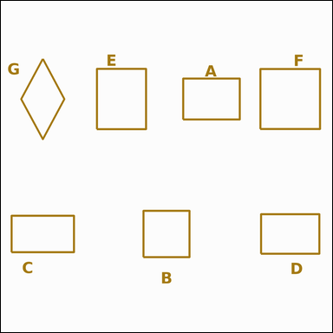 |  | task_geometry_counting_quadrilateral | rectangle_non_square | Use the diagram showing several labeled quadrilaterals. Task: How many labeled quadrilaterals are rectangles but not squares? Return a valid JSON object with keys "evidence" and "answer" in that order. Evidence rule: set "evidence" to a sorted JSON array of the labels of all quadrilaterals that match the requested type. Answer rule: set "answer" to the count as an integer. Example JSON: {"evidence":["B","E"],"answer":2} | Use the diagram showing several labeled quadrilaterals. Task: How many labeled quadrilaterals are rectangles but not squares? Return a valid JSON object with key "answer". Answer requirement: set "answer" to the count as an integer. Example JSON: {"answer":2} | {"evidence": ["A", "C", "D", "E"], "answer": 4} | ["A", "C", "D", "E"] | integer | label_set | 7.9559063943E+15 | geometry/task_geometry_counting_quadrilateral/images/rectangle_non_square/0002.png | geometry/task_geometry_counting_quadrilateral/data/rectangle_non_square/0002.json
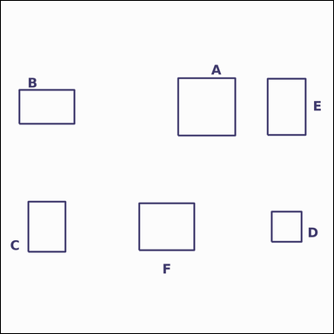 |  | task_geometry_counting_quadrilateral | rectangle_non_square | The image shows several labeled quadrilaterals. Answer this question: How many labeled quadrilaterals are rectangles but not squares? Return a valid JSON object with keys "evidence" and "answer" in that order. Evidence requirement: set "evidence" to a sorted JSON array of the labels of all quadrilaterals that match the requested type. Answer format: set "answer" to the count as an integer. Example JSON: {"evidence":["B","E"],"answer":2} | The image shows several labeled quadrilaterals. Answer this question: How many labeled quadrilaterals are rectangles but not squares? Return a valid JSON object with key "answer". Answer requirement: set "answer" to the count as an integer. Example JSON: {"answer":2} | {"evidence": ["B", "C", "E", "F"], "answer": 4} | ["B", "C", "E", "F"] | integer | label_set | 8.3459784113E+15 | geometry/task_geometry_counting_quadrilateral/images/rectangle_non_square/0008.png | geometry/task_geometry_counting_quadrilateral/data/rectangle_non_square/0008.json
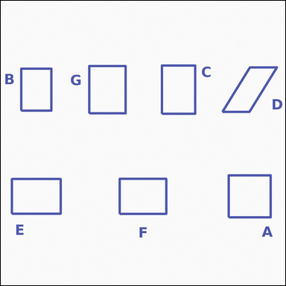 |  | task_geometry_counting_quadrilateral | rectangle_non_square | You are given an image showing several labeled quadrilaterals. Answer this question: How many labeled quadrilaterals are rectangles but not squares? Return a valid JSON object with keys "evidence" and "answer" in that order. Evidence requirement: set "evidence" to a sorted JSON array of the labels of all quadrilaterals that match the requested type. Answer format: set "answer" to the count as an integer. Example JSON: {"evidence":["B","E"],"answer":2} | You are given an image showing several labeled quadrilaterals. Answer this question: How many labeled quadrilaterals are rectangles but not squares? Return a valid JSON object with key "answer". Answer: set "answer" to the count as an integer. Example JSON: {"answer":2} | {"evidence": ["B", "C", "E", "F", "G"], "answer": 5} | ["B", "C", "E", "F", "G"] | integer | label_set | 8.9469168574E+15 | geometry/task_geometry_counting_quadrilateral/images/rectangle_non_square/0020.png | geometry/task_geometry_counting_quadrilateral/data/rectangle_non_square/0020.json

rhombus_non_square
image | evidence_image | task | task_variant | prompt | prompt_answer_only | answer | answer_evidence | answer_type | evidence_type | instance_seed | image_path | data_path
 |  | task_geometry_counting_quadrilateral | rhombus_non_square | The image shows several labeled quadrilaterals. Task: How many labeled quadrilaterals are rhombuses but not squares? Return a valid JSON object with keys "evidence" and "answer" in that order. Evidence: set "evidence" to a sorted JSON array of the labels of all quadrilaterals that match the requested type. Answer: set "answer" to the count as an integer. Example JSON: {"evidence":["B","E"],"answer":2} | The image shows several labeled quadrilaterals. Task: How many labeled quadrilaterals are rhombuses but not squares? Return a valid JSON object with key "answer". Answer requirement: set "answer" to the count as an integer. Example JSON: {"answer":2} | {"evidence": ["B", "D"], "answer": 2} | ["B", "D"] | integer | label_set | 212067503116910 | geometry/task_geometry_counting_quadrilateral/images/rhombus_non_square/0008.png | geometry/task_geometry_counting_quadrilateral/data/rhombus_non_square/0008.json
 |  | task_geometry_counting_quadrilateral | rhombus_non_square | Work from the image showing several labeled quadrilaterals. Determine the answer: How many labeled quadrilaterals are rhombuses but not squares? Return a valid JSON object with keys "evidence" and "answer" in that order. Evidence format: set "evidence" to a sorted JSON array of the labels of all quadrilaterals that match the requested type. Answer requirement: set "answer" to the count as an integer. Example JSON: {"evidence":["B","E"],"answer":2} | Work from the image showing several labeled quadrilaterals. Determine the answer: How many labeled quadrilaterals are rhombuses but not squares? Return a valid JSON object with key "answer". Answer format: set "answer" to the count as an integer. Example JSON: {"answer":2} | {"evidence": ["A", "B", "C", "D", "F"], "answer": 5} | ["A", "B", "C", "D", "F"] | integer | label_set | 768878356149854 | geometry/task_geometry_counting_quadrilateral/images/rhombus_non_square/0003.png | geometry/task_geometry_counting_quadrilateral/data/rhombus_non_square/0003.json
 |  | task_geometry_counting_quadrilateral | rhombus_non_square | Work from the image showing several labeled quadrilaterals. Determine the answer: How many labeled quadrilaterals are rhombuses but not squares? Return a valid JSON object with keys "evidence" and "answer" in that order. Evidence field: set "evidence" to a sorted JSON array of the labels of all quadrilaterals that match the requested type. Answer field: set "answer" to the count as an integer. Example JSON: {"evidence":["B","E"],"answer":2} | Work from the image showing several labeled quadrilaterals. Determine the answer: How many labeled quadrilaterals are rhombuses but not squares? Return a valid JSON object with key "answer". Answer rule: set "answer" to the count as an integer. Example JSON: {"answer":2} | {"evidence": ["A", "B", "C", "D", "F", "G"], "answer": 6} | ["A", "B", "C", "D", "F", "G"] | integer | label_set | 1.6494532486E+15 | geometry/task_geometry_counting_quadrilateral/images/rhombus_non_square/0011.png | geometry/task_geometry_counting_quadrilateral/data/rhombus_non_square/0011.json
 |  | task_geometry_counting_quadrilateral | rhombus_non_square | Use the diagram showing several labeled quadrilaterals. How many labeled quadrilaterals are rhombuses but not squares? Return a valid JSON object with keys "evidence" and "answer" in that order. Evidence: set "evidence" to a sorted JSON array of the labels of all quadrilaterals that match the requested type. Answer: set "answer" to the count as an integer. Example JSON: {"evidence":["B","E"],"answer":2} | Use the diagram showing several labeled quadrilaterals. How many labeled quadrilaterals are rhombuses but not squares? Return a valid JSON object with key "answer". Answer requirement: set "answer" to the count as an integer. Example JSON: {"answer":2} | {"evidence": ["A", "B", "D", "E", "F", "G"], "answer": 6} | ["A", "B", "D", "E", "F", "G"] | integer | label_set | 1.7299509465E+15 | geometry/task_geometry_counting_quadrilateral/images/rhombus_non_square/0020.png | geometry/task_geometry_counting_quadrilateral/data/rhombus_non_square/0020.json
 |  | task_geometry_counting_quadrilateral | rhombus_non_square | The image shows several labeled quadrilaterals. Determine the answer: How many labeled quadrilaterals are rhombuses but not squares? Return a valid JSON object with keys "evidence" and "answer" in that order. Evidence field: set "evidence" to a sorted JSON array of the labels of all quadrilaterals that match the requested type. Answer field: set "answer" to the count as an integer. Example JSON: {"evidence":["B","E"],"answer":2} | The image shows several labeled quadrilaterals. Determine the answer: How many labeled quadrilaterals are rhombuses but not squares? Return a valid JSON object with key "answer". Answer format: set "answer" to the count as an integer. Example JSON: {"answer":2} | {"evidence": ["A", "C", "D", "E", "F", "G"], "answer": 6} | ["A", "C", "D", "E", "F", "G"] | integer | label_set | 1.8824767989E+15 | geometry/task_geometry_counting_quadrilateral/images/rhombus_non_square/0021.png | geometry/task_geometry_counting_quadrilateral/data/rhombus_non_square/0021.json
 |  | task_geometry_counting_quadrilateral | rhombus_non_square | Use the diagram showing several labeled quadrilaterals. Determine the answer: How many labeled quadrilaterals are rhombuses but not squares? Return a valid JSON object with keys "evidence" and "answer" in that order. Evidence field: set "evidence" to a sorted JSON array of the labels of all quadrilaterals that match the requested type. Answer field: set "answer" to the count as an integer. Example JSON: {"evidence":["B","E"],"answer":2} | Use the diagram showing several labeled quadrilaterals. Determine the answer: How many labeled quadrilaterals are rhombuses but not squares? Return a valid JSON object with key "answer". Answer field: set "answer" to the count as an integer. Example JSON: {"answer":2} | {"evidence": ["A", "B", "C"], "answer": 3} | ["A", "B", "C"] | integer | label_set | 3.2134460648E+15 | geometry/task_geometry_counting_quadrilateral/images/rhombus_non_square/0019.png | geometry/task_geometry_counting_quadrilateral/data/rhombus_non_square/0019.json
 |  | task_geometry_counting_quadrilateral | rhombus_non_square | You are given an image showing several labeled quadrilaterals. Answer this question: How many labeled quadrilaterals are rhombuses but not squares? Return a valid JSON object with keys "evidence" and "answer" in that order. Evidence field: set "evidence" to a sorted JSON array of the labels of all quadrilaterals that match the requested type. Answer field: set "answer" to the count as an integer. Example JSON: {"evidence":["B","E"],"answer":2} | You are given an image showing several labeled quadrilaterals. Answer this question: How many labeled quadrilaterals are rhombuses but not squares? Return a valid JSON object with key "answer". Answer field: set "answer" to the count as an integer. Example JSON: {"answer":2} | {"evidence": ["A", "D", "E"], "answer": 3} | ["A", "D", "E"] | integer | label_set | 3.2899318852E+15 | geometry/task_geometry_counting_quadrilateral/images/rhombus_non_square/0009.png | geometry/task_geometry_counting_quadrilateral/data/rhombus_non_square/0009.json
 |  | task_geometry_counting_quadrilateral | rhombus_non_square | You are given an image showing several labeled quadrilaterals. How many labeled quadrilaterals are rhombuses but not squares? Return a valid JSON object with keys "evidence" and "answer" in that order. Evidence requirement: set "evidence" to a sorted JSON array of the labels of all quadrilaterals that match the requested type. Answer format: set "answer" to the count as an integer. Example JSON: {"evidence":["B","E"],"answer":2} | You are given an image showing several labeled quadrilaterals. How many labeled quadrilaterals are rhombuses but not squares? Return a valid JSON object with key "answer". Answer rule: set "answer" to the count as an integer. Example JSON: {"answer":2} | {"evidence": ["B"], "answer": 1} | ["B"] | integer | label_set | 3.3284882942E+15 | geometry/task_geometry_counting_quadrilateral/images/rhombus_non_square/0022.png | geometry/task_geometry_counting_quadrilateral/data/rhombus_non_square/0022.json
 |  | task_geometry_counting_quadrilateral | rhombus_non_square | You are given an image showing several labeled quadrilaterals. Question: How many labeled quadrilaterals are rhombuses but not squares? Return a valid JSON object with keys "evidence" and "answer" in that order. Evidence requirement: set "evidence" to a sorted JSON array of the labels of all quadrilaterals that match the requested type. Answer format: set "answer" to the count as an integer. Example JSON: {"evidence":["B","E"],"answer":2} | You are given an image showing several labeled quadrilaterals. Question: How many labeled quadrilaterals are rhombuses but not squares? Return a valid JSON object with key "answer". Answer field: set "answer" to the count as an integer. Example JSON: {"answer":2} | {"evidence": ["A", "C", "F"], "answer": 3} | ["A", "C", "F"] | integer | label_set | 3.5509831711E+15 | geometry/task_geometry_counting_quadrilateral/images/rhombus_non_square/0000.png | geometry/task_geometry_counting_quadrilateral/data/rhombus_non_square/0000.json
 |  | task_geometry_counting_quadrilateral | rhombus_non_square | Use the diagram showing several labeled quadrilaterals. Task: How many labeled quadrilaterals are rhombuses but not squares? Return a valid JSON object with keys "evidence" and "answer" in that order. Evidence: set "evidence" to a sorted JSON array of the labels of all quadrilaterals that match the requested type. Answer: set "answer" to the count as an integer. Example JSON: {"evidence":["B","E"],"answer":2} | Use the diagram showing several labeled quadrilaterals. Task: How many labeled quadrilaterals are rhombuses but not squares? Return a valid JSON object with key "answer". Answer: set "answer" to the count as an integer. Example JSON: {"answer":2} | {"evidence": ["A", "C", "D", "E", "F"], "answer": 5} | ["A", "C", "D", "E", "F"] | integer | label_set | 4.0932036919E+15 | geometry/task_geometry_counting_quadrilateral/images/rhombus_non_square/0006.png | geometry/task_geometry_counting_quadrilateral/data/rhombus_non_square/0006.json
 |  | task_geometry_counting_quadrilateral | rhombus_non_square | You are given an image showing several labeled quadrilaterals. How many labeled quadrilaterals are rhombuses but not squares? Return a valid JSON object with keys "evidence" and "answer" in that order. Evidence: set "evidence" to a sorted JSON array of the labels of all quadrilaterals that match the requested type. Answer: set "answer" to the count as an integer. Example JSON: {"evidence":["B","E"],"answer":2} | You are given an image showing several labeled quadrilaterals. How many labeled quadrilaterals are rhombuses but not squares? Return a valid JSON object with key "answer". Answer requirement: set "answer" to the count as an integer. Example JSON: {"answer":2} | {"evidence": ["C", "D", "E", "F"], "answer": 4} | ["C", "D", "E", "F"] | integer | label_set | 4.1890931515E+15 | geometry/task_geometry_counting_quadrilateral/images/rhombus_non_square/0004.png | geometry/task_geometry_counting_quadrilateral/data/rhombus_non_square/0004.json
 |  | task_geometry_counting_quadrilateral | rhombus_non_square | Work from the image showing several labeled quadrilaterals. Determine the answer: How many labeled quadrilaterals are rhombuses but not squares? Return a valid JSON object with keys "evidence" and "answer" in that order. Evidence format: set "evidence" to a sorted JSON array of the labels of all quadrilaterals that match the requested type. Answer requirement: set "answer" to the count as an integer. Example JSON: {"evidence":["B","E"],"answer":2} | Work from the image showing several labeled quadrilaterals. Determine the answer: How many labeled quadrilaterals are rhombuses but not squares? Return a valid JSON object with key "answer". Answer format: set "answer" to the count as an integer. Example JSON: {"answer":2} | {"evidence": ["A", "B", "E"], "answer": 3} | ["A", "B", "E"] | integer | label_set | 4.2646573791E+15 | geometry/task_geometry_counting_quadrilateral/images/rhombus_non_square/0015.png | geometry/task_geometry_counting_quadrilateral/data/rhombus_non_square/0015.json
 |  | task_geometry_counting_quadrilateral | rhombus_non_square | The image shows several labeled quadrilaterals. Answer this question: How many labeled quadrilaterals are rhombuses but not squares? Return a valid JSON object with keys "evidence" and "answer" in that order. Evidence field: set "evidence" to a sorted JSON array of the labels of all quadrilaterals that match the requested type. Answer field: set "answer" to the count as an integer. Example JSON: {"evidence":["B","E"],"answer":2} | The image shows several labeled quadrilaterals. Answer this question: How many labeled quadrilaterals are rhombuses but not squares? Return a valid JSON object with key "answer". Answer format: set "answer" to the count as an integer. Example JSON: {"answer":2} | {"evidence": ["A", "C", "F"], "answer": 3} | ["A", "C", "F"] | integer | label_set | 4.9786255418E+15 | geometry/task_geometry_counting_quadrilateral/images/rhombus_non_square/0007.png | geometry/task_geometry_counting_quadrilateral/data/rhombus_non_square/0007.json
 |  | task_geometry_counting_quadrilateral | rhombus_non_square | The image shows several labeled quadrilaterals. Question: How many labeled quadrilaterals are rhombuses but not squares? Return a valid JSON object with keys "evidence" and "answer" in that order. Evidence field: set "evidence" to a sorted JSON array of the labels of all quadrilaterals that match the requested type. Answer field: set "answer" to the count as an integer. Example JSON: {"evidence":["B","E"],"answer":2} | The image shows several labeled quadrilaterals. Question: How many labeled quadrilaterals are rhombuses but not squares? Return a valid JSON object with key "answer". Answer rule: set "answer" to the count as an integer. Example JSON: {"answer":2} | {"evidence": ["E"], "answer": 1} | ["E"] | integer | label_set | 5.119899708E+15 | geometry/task_geometry_counting_quadrilateral/images/rhombus_non_square/0013.png | geometry/task_geometry_counting_quadrilateral/data/rhombus_non_square/0013.json
 |  | task_geometry_counting_quadrilateral | rhombus_non_square | Work from the image showing several labeled quadrilaterals. Task: How many labeled quadrilaterals are rhombuses but not squares? Return a valid JSON object with keys "evidence" and "answer" in that order. Evidence rule: set "evidence" to a sorted JSON array of the labels of all quadrilaterals that match the requested type. Answer rule: set "answer" to the count as an integer. Example JSON: {"evidence":["B","E"],"answer":2} | Work from the image showing several labeled quadrilaterals. Task: How many labeled quadrilaterals are rhombuses but not squares? Return a valid JSON object with key "answer". Answer requirement: set "answer" to the count as an integer. Example JSON: {"answer":2} | {"evidence": ["B", "C"], "answer": 2} | ["B", "C"] | integer | label_set | 5.2067342633E+15 | geometry/task_geometry_counting_quadrilateral/images/rhombus_non_square/0005.png | geometry/task_geometry_counting_quadrilateral/data/rhombus_non_square/0005.json
 |  | task_geometry_counting_quadrilateral | rhombus_non_square | Look at the image showing several labeled quadrilaterals. Task: How many labeled quadrilaterals are rhombuses but not squares? Return a valid JSON object with keys "evidence" and "answer" in that order. Evidence: set "evidence" to a sorted JSON array of the labels of all quadrilaterals that match the requested type. Answer: set "answer" to the count as an integer. Example JSON: {"evidence":["B","E"],"answer":2} | Look at the image showing several labeled quadrilaterals. Task: How many labeled quadrilaterals are rhombuses but not squares? Return a valid JSON object with key "answer". Answer requirement: set "answer" to the count as an integer. Example JSON: {"answer":2} | {"evidence": ["B", "C", "D", "E"], "answer": 4} | ["B", "C", "D", "E"] | integer | label_set | 5.5522230465E+15 | geometry/task_geometry_counting_quadrilateral/images/rhombus_non_square/0010.png | geometry/task_geometry_counting_quadrilateral/data/rhombus_non_square/0010.json
 |  | task_geometry_counting_quadrilateral | rhombus_non_square | Look at the image showing several labeled quadrilaterals. Determine the answer: How many labeled quadrilaterals are rhombuses but not squares? Return a valid JSON object with keys "evidence" and "answer" in that order. Evidence rule: set "evidence" to a sorted JSON array of the labels of all quadrilaterals that match the requested type. Answer rule: set "answer" to the count as an integer. Example JSON: {"evidence":["B","E"],"answer":2} | Look at the image showing several labeled quadrilaterals. Determine the answer: How many labeled quadrilaterals are rhombuses but not squares? Return a valid JSON object with key "answer". Answer rule: set "answer" to the count as an integer. Example JSON: {"answer":2} | {"evidence": ["B", "C", "D", "E", "F", "G"], "answer": 6} | ["B", "C", "D", "E", "F", "G"] | integer | label_set | 6.3420204457E+15 | geometry/task_geometry_counting_quadrilateral/images/rhombus_non_square/0018.png | geometry/task_geometry_counting_quadrilateral/data/rhombus_non_square/0018.json
 |  | task_geometry_counting_quadrilateral | rhombus_non_square | Look at the image showing several labeled quadrilaterals. Determine the answer: How many labeled quadrilaterals are rhombuses but not squares? Return a valid JSON object with keys "evidence" and "answer" in that order. Evidence rule: set "evidence" to a sorted JSON array of the labels of all quadrilaterals that match the requested type. Answer rule: set "answer" to the count as an integer. Example JSON: {"evidence":["B","E"],"answer":2} | Look at the image showing several labeled quadrilaterals. Determine the answer: How many labeled quadrilaterals are rhombuses but not squares? Return a valid JSON object with key "answer". Answer requirement: set "answer" to the count as an integer. Example JSON: {"answer":2} | {"evidence": ["B", "C", "D", "E", "F", "G"], "answer": 6} | ["B", "C", "D", "E", "F", "G"] | integer | label_set | 6.5631448212E+15 | geometry/task_geometry_counting_quadrilateral/images/rhombus_non_square/0016.png | geometry/task_geometry_counting_quadrilateral/data/rhombus_non_square/0016.json
 |  | task_geometry_counting_quadrilateral | rhombus_non_square | Work from the image showing several labeled quadrilaterals. Answer this question: How many labeled quadrilaterals are rhombuses but not squares? Return a valid JSON object with keys "evidence" and "answer" in that order. Evidence format: set "evidence" to a sorted JSON array of the labels of all quadrilaterals that match the requested type. Answer requirement: set "answer" to the count as an integer. Example JSON: {"evidence":["B","E"],"answer":2} | Work from the image showing several labeled quadrilaterals. Answer this question: How many labeled quadrilaterals are rhombuses but not squares? Return a valid JSON object with key "answer". Answer format: set "answer" to the count as an integer. Example JSON: {"answer":2} | {"evidence": ["C", "F"], "answer": 2} | ["C", "F"] | integer | label_set | 6.5864956351E+15 | geometry/task_geometry_counting_quadrilateral/images/rhombus_non_square/0001.png | geometry/task_geometry_counting_quadrilateral/data/rhombus_non_square/0001.json
 |  | task_geometry_counting_quadrilateral | rhombus_non_square | Use the diagram showing several labeled quadrilaterals. Task: How many labeled quadrilaterals are rhombuses but not squares? Return a valid JSON object with keys "evidence" and "answer" in that order. Evidence requirement: set "evidence" to a sorted JSON array of the labels of all quadrilaterals that match the requested type. Answer format: set "answer" to the count as an integer. Example JSON: {"evidence":["B","E"],"answer":2} | Use the diagram showing several labeled quadrilaterals. Task: How many labeled quadrilaterals are rhombuses but not squares? Return a valid JSON object with key "answer". Answer format: set "answer" to the count as an integer. Example JSON: {"answer":2} | {"evidence": ["A", "B", "C", "D", "G"], "answer": 5} | ["A", "B", "C", "D", "G"] | integer | label_set | 6.6275598337E+15 | geometry/task_geometry_counting_quadrilateral/images/rhombus_non_square/0002.png | geometry/task_geometry_counting_quadrilateral/data/rhombus_non_square/0002.json
 |  | task_geometry_counting_quadrilateral | rhombus_non_square | You are given an image showing several labeled quadrilaterals. Answer this question: How many labeled quadrilaterals are rhombuses but not squares? Return a valid JSON object with keys "evidence" and "answer" in that order. Evidence requirement: set "evidence" to a sorted JSON array of the labels of all quadrilaterals that match the requested type. Answer format: set "answer" to the count as an integer. Example JSON: {"evidence":["B","E"],"answer":2} | You are given an image showing several labeled quadrilaterals. Answer this question: How many labeled quadrilaterals are rhombuses but not squares? Return a valid JSON object with key "answer". Answer rule: set "answer" to the count as an integer. Example JSON: {"answer":2} | {"evidence": ["C", "D", "E"], "answer": 3} | ["C", "D", "E"] | integer | label_set | 6.6471613818E+15 | geometry/task_geometry_counting_quadrilateral/images/rhombus_non_square/0024.png | geometry/task_geometry_counting_quadrilateral/data/rhombus_non_square/0024.json
 |  | task_geometry_counting_quadrilateral | rhombus_non_square | Work from the image showing several labeled quadrilaterals. Answer this question: How many labeled quadrilaterals are rhombuses but not squares? Return a valid JSON object with keys "evidence" and "answer" in that order. Evidence requirement: set "evidence" to a sorted JSON array of the labels of all quadrilaterals that match the requested type. Answer format: set "answer" to the count as an integer. Example JSON: {"evidence":["B","E"],"answer":2} | Work from the image showing several labeled quadrilaterals. Answer this question: How many labeled quadrilaterals are rhombuses but not squares? Return a valid JSON object with key "answer". Answer rule: set "answer" to the count as an integer. Example JSON: {"answer":2} | {"evidence": ["A", "B", "C", "E"], "answer": 4} | ["A", "B", "C", "E"] | integer | label_set | 6.7139980713E+15 | geometry/task_geometry_counting_quadrilateral/images/rhombus_non_square/0014.png | geometry/task_geometry_counting_quadrilateral/data/rhombus_non_square/0014.json
 |  | task_geometry_counting_quadrilateral | rhombus_non_square | Work from the image showing several labeled quadrilaterals. Answer this question: How many labeled quadrilaterals are rhombuses but not squares? Return a valid JSON object with keys "evidence" and "answer" in that order. Evidence field: set "evidence" to a sorted JSON array of the labels of all quadrilaterals that match the requested type. Answer field: set "answer" to the count as an integer. Example JSON: {"evidence":["B","E"],"answer":2} | Work from the image showing several labeled quadrilaterals. Answer this question: How many labeled quadrilaterals are rhombuses but not squares? Return a valid JSON object with key "answer". Answer field: set "answer" to the count as an integer. Example JSON: {"answer":2} | {"evidence": ["A", "B", "D", "E", "F"], "answer": 5} | ["A", "B", "D", "E", "F"] | integer | label_set | 7.0697578153E+15 | geometry/task_geometry_counting_quadrilateral/images/rhombus_non_square/0023.png | geometry/task_geometry_counting_quadrilateral/data/rhombus_non_square/0023.json
 |  | task_geometry_counting_quadrilateral | rhombus_non_square | The image shows several labeled quadrilaterals. Question: How many labeled quadrilaterals are rhombuses but not squares? Return a valid JSON object with keys "evidence" and "answer" in that order. Evidence rule: set "evidence" to a sorted JSON array of the labels of all quadrilaterals that match the requested type. Answer rule: set "answer" to the count as an integer. Example JSON: {"evidence":["B","E"],"answer":2} | The image shows several labeled quadrilaterals. Question: How many labeled quadrilaterals are rhombuses but not squares? Return a valid JSON object with key "answer". Answer field: set "answer" to the count as an integer. Example JSON: {"answer":2} | {"evidence": ["A", "B", "C", "D", "E", "G"], "answer": 6} | ["A", "B", "C", "D", "E", "G"] | integer | label_set | 8.2366961439E+15 | geometry/task_geometry_counting_quadrilateral/images/rhombus_non_square/0012.png | geometry/task_geometry_counting_quadrilateral/data/rhombus_non_square/0012.json
 |  | task_geometry_counting_quadrilateral | rhombus_non_square | Use the diagram showing several labeled quadrilaterals. Question: How many labeled quadrilaterals are rhombuses but not squares? Return a valid JSON object with keys "evidence" and "answer" in that order. Evidence: set "evidence" to a sorted JSON array of the labels of all quadrilaterals that match the requested type. Answer: set "answer" to the count as an integer. Example JSON: {"evidence":["B","E"],"answer":2} | Use the diagram showing several labeled quadrilaterals. Question: How many labeled quadrilaterals are rhombuses but not squares? Return a valid JSON object with key "answer". Answer format: set "answer" to the count as an integer. Example JSON: {"answer":2} | {"evidence": ["B", "F"], "answer": 2} | ["B", "F"] | integer | label_set | 8.6036539882E+15 | geometry/task_geometry_counting_quadrilateral/images/rhombus_non_square/0017.png | geometry/task_geometry_counting_quadrilateral/data/rhombus_non_square/0017.json

square
image | evidence_image | task | task_variant | prompt | prompt_answer_only | answer | answer_evidence | answer_type | evidence_type | instance_seed | image_path | data_path
 |  | task_geometry_counting_quadrilateral | square | Use the diagram showing several labeled quadrilaterals. Task: How many labeled quadrilaterals are squares? Return a valid JSON object with keys "evidence" and "answer" in that order. Evidence rule: set "evidence" to a sorted JSON array of the labels of all quadrilaterals that match the requested type. Answer rule: set "answer" to the count as an integer. Example JSON: {"evidence":["B","E"],"answer":2} | Use the diagram showing several labeled quadrilaterals. Task: How many labeled quadrilaterals are squares? Return a valid JSON object with key "answer". Answer requirement: set "answer" to the count as an integer. Example JSON: {"answer":2} | {"evidence": ["C", "F"], "answer": 2} | ["C", "F"] | integer | label_set | 33383233780992 | geometry/task_geometry_counting_quadrilateral/images/square/0001.png | geometry/task_geometry_counting_quadrilateral/data/square/0001.json
 |  | task_geometry_counting_quadrilateral | square | The image shows several labeled quadrilaterals. Task: How many labeled quadrilaterals are squares? Return a valid JSON object with keys "evidence" and "answer" in that order. Evidence format: set "evidence" to a sorted JSON array of the labels of all quadrilaterals that match the requested type. Answer requirement: set "answer" to the count as an integer. Example JSON: {"evidence":["B","E"],"answer":2} | The image shows several labeled quadrilaterals. Task: How many labeled quadrilaterals are squares? Return a valid JSON object with key "answer". Answer requirement: set "answer" to the count as an integer. Example JSON: {"answer":2} | {"evidence": ["A", "B", "C", "E"], "answer": 4} | ["A", "B", "C", "E"] | integer | label_set | 261886540617144 | geometry/task_geometry_counting_quadrilateral/images/square/0010.png | geometry/task_geometry_counting_quadrilateral/data/square/0010.json
 |  | task_geometry_counting_quadrilateral | square | The image shows several labeled quadrilaterals. How many labeled quadrilaterals are squares? Return a valid JSON object with keys "evidence" and "answer" in that order. Evidence field: set "evidence" to a sorted JSON array of the labels of all quadrilaterals that match the requested type. Answer field: set "answer" to the count as an integer. Example JSON: {"evidence":["B","E"],"answer":2} | The image shows several labeled quadrilaterals. How many labeled quadrilaterals are squares? Return a valid JSON object with key "answer". Answer requirement: set "answer" to the count as an integer. Example JSON: {"answer":2} | {"evidence": ["A", "B", "C", "E", "F", "G"], "answer": 6} | ["A", "B", "C", "E", "F", "G"] | integer | label_set | 275217399156200 | geometry/task_geometry_counting_quadrilateral/images/square/0008.png | geometry/task_geometry_counting_quadrilateral/data/square/0008.json
 |  | task_geometry_counting_quadrilateral | square | Work from the image showing several labeled quadrilaterals. How many labeled quadrilaterals are squares? Return a valid JSON object with keys "evidence" and "answer" in that order. Evidence requirement: set "evidence" to a sorted JSON array of the labels of all quadrilaterals that match the requested type. Answer format: set "answer" to the count as an integer. Example JSON: {"evidence":["B","E"],"answer":2} | Work from the image showing several labeled quadrilaterals. How many labeled quadrilaterals are squares? Return a valid JSON object with key "answer". Answer field: set "answer" to the count as an integer. Example JSON: {"answer":2} | {"evidence": ["A", "B", "C", "D", "E", "F"], "answer": 6} | ["A", "B", "C", "D", "E", "F"] | integer | label_set | 1.1097110209E+15 | geometry/task_geometry_counting_quadrilateral/images/square/0004.png | geometry/task_geometry_counting_quadrilateral/data/square/0004.json
 |  | task_geometry_counting_quadrilateral | square | Use the diagram showing several labeled quadrilaterals. Question: How many labeled quadrilaterals are squares? Return a valid JSON object with keys "evidence" and "answer" in that order. Evidence requirement: set "evidence" to a sorted JSON array of the labels of all quadrilaterals that match the requested type. Answer format: set "answer" to the count as an integer. Example JSON: {"evidence":["B","E"],"answer":2} | Use the diagram showing several labeled quadrilaterals. Question: How many labeled quadrilaterals are squares? Return a valid JSON object with key "answer". Answer: set "answer" to the count as an integer. Example JSON: {"answer":2} | {"evidence": ["A", "C", "D"], "answer": 3} | ["A", "C", "D"] | integer | label_set | 1.1753642693E+15 | geometry/task_geometry_counting_quadrilateral/images/square/0018.png | geometry/task_geometry_counting_quadrilateral/data/square/0018.json
 |  | task_geometry_counting_quadrilateral | square | You are given an image showing several labeled quadrilaterals. Answer this question: How many labeled quadrilaterals are squares? Return a valid JSON object with keys "evidence" and "answer" in that order. Evidence field: set "evidence" to a sorted JSON array of the labels of all quadrilaterals that match the requested type. Answer field: set "answer" to the count as an integer. Example JSON: {"evidence":["B","E"],"answer":2} | You are given an image showing several labeled quadrilaterals. Answer this question: How many labeled quadrilaterals are squares? Return a valid JSON object with key "answer". Answer format: set "answer" to the count as an integer. Example JSON: {"answer":2} | {"evidence": ["A", "B", "F", "G"], "answer": 4} | ["A", "B", "F", "G"] | integer | label_set | 1.2542320865E+15 | geometry/task_geometry_counting_quadrilateral/images/square/0019.png | geometry/task_geometry_counting_quadrilateral/data/square/0019.json
 |  | task_geometry_counting_quadrilateral | square | Work from the image showing several labeled quadrilaterals. Determine the answer: How many labeled quadrilaterals are squares? Return a valid JSON object with keys "evidence" and "answer" in that order. Evidence rule: set "evidence" to a sorted JSON array of the labels of all quadrilaterals that match the requested type. Answer rule: set "answer" to the count as an integer. Example JSON: {"evidence":["B","E"],"answer":2} | Work from the image showing several labeled quadrilaterals. Determine the answer: How many labeled quadrilaterals are squares? Return a valid JSON object with key "answer". Answer format: set "answer" to the count as an integer. Example JSON: {"answer":2} | {"evidence": ["B"], "answer": 1} | ["B"] | integer | label_set | 1.5775073854E+15 | geometry/task_geometry_counting_quadrilateral/images/square/0017.png | geometry/task_geometry_counting_quadrilateral/data/square/0017.json
 |  | task_geometry_counting_quadrilateral | square | The image shows several labeled quadrilaterals. How many labeled quadrilaterals are squares? Return a valid JSON object with keys "evidence" and "answer" in that order. Evidence: set "evidence" to a sorted JSON array of the labels of all quadrilaterals that match the requested type. Answer: set "answer" to the count as an integer. Example JSON: {"evidence":["B","E"],"answer":2} | The image shows several labeled quadrilaterals. How many labeled quadrilaterals are squares? Return a valid JSON object with key "answer". Answer requirement: set "answer" to the count as an integer. Example JSON: {"answer":2} | {"evidence": ["B", "C", "D", "E"], "answer": 4} | ["B", "C", "D", "E"] | integer | label_set | 2.0750717419E+15 | geometry/task_geometry_counting_quadrilateral/images/square/0012.png | geometry/task_geometry_counting_quadrilateral/data/square/0012.json
 |  | task_geometry_counting_quadrilateral | square | The image shows several labeled quadrilaterals. Question: How many labeled quadrilaterals are squares? Return a valid JSON object with keys "evidence" and "answer" in that order. Evidence: set "evidence" to a sorted JSON array of the labels of all quadrilaterals that match the requested type. Answer: set "answer" to the count as an integer. Example JSON: {"evidence":["B","E"],"answer":2} | The image shows several labeled quadrilaterals. Question: How many labeled quadrilaterals are squares? Return a valid JSON object with key "answer". Answer requirement: set "answer" to the count as an integer. Example JSON: {"answer":2} | {"evidence": ["A", "B", "C", "D", "F", "G"], "answer": 6} | ["A", "B", "C", "D", "F", "G"] | integer | label_set | 2.3292778157E+15 | geometry/task_geometry_counting_quadrilateral/images/square/0023.png | geometry/task_geometry_counting_quadrilateral/data/square/0023.json
 |  | task_geometry_counting_quadrilateral | square | Work from the image showing several labeled quadrilaterals. Determine the answer: How many labeled quadrilaterals are squares? Return a valid JSON object with keys "evidence" and "answer" in that order. Evidence format: set "evidence" to a sorted JSON array of the labels of all quadrilaterals that match the requested type. Answer requirement: set "answer" to the count as an integer. Example JSON: {"evidence":["B","E"],"answer":2} | Work from the image showing several labeled quadrilaterals. Determine the answer: How many labeled quadrilaterals are squares? Return a valid JSON object with key "answer". Answer requirement: set "answer" to the count as an integer. Example JSON: {"answer":2} | {"evidence": ["E"], "answer": 1} | ["E"] | integer | label_set | 2.5364157322E+15 | geometry/task_geometry_counting_quadrilateral/images/square/0013.png | geometry/task_geometry_counting_quadrilateral/data/square/0013.json
 |  | task_geometry_counting_quadrilateral | square | Look at the image showing several labeled quadrilaterals. Task: How many labeled quadrilaterals are squares? Return a valid JSON object with keys "evidence" and "answer" in that order. Evidence: set "evidence" to a sorted JSON array of the labels of all quadrilaterals that match the requested type. Answer: set "answer" to the count as an integer. Example JSON: {"evidence":["B","E"],"answer":2} | Look at the image showing several labeled quadrilaterals. Task: How many labeled quadrilaterals are squares? Return a valid JSON object with key "answer". Answer format: set "answer" to the count as an integer. Example JSON: {"answer":2} | {"evidence": ["A", "B", "D"], "answer": 3} | ["A", "B", "D"] | integer | label_set | 2.5646877534E+15 | geometry/task_geometry_counting_quadrilateral/images/square/0014.png | geometry/task_geometry_counting_quadrilateral/data/square/0014.json
 |  | task_geometry_counting_quadrilateral | square | Use the diagram showing several labeled quadrilaterals. Determine the answer: How many labeled quadrilaterals are squares? Return a valid JSON object with keys "evidence" and "answer" in that order. Evidence: set "evidence" to a sorted JSON array of the labels of all quadrilaterals that match the requested type. Answer: set "answer" to the count as an integer. Example JSON: {"evidence":["B","E"],"answer":2} | Use the diagram showing several labeled quadrilaterals. Determine the answer: How many labeled quadrilaterals are squares? Return a valid JSON object with key "answer". Answer rule: set "answer" to the count as an integer. Example JSON: {"answer":2} | {"evidence": ["A", "B", "C", "D", "E", "G"], "answer": 6} | ["A", "B", "C", "D", "E", "G"] | integer | label_set | 3.1777035095E+15 | geometry/task_geometry_counting_quadrilateral/images/square/0020.png | geometry/task_geometry_counting_quadrilateral/data/square/0020.json
 |  | task_geometry_counting_quadrilateral | square | Work from the image showing several labeled quadrilaterals. How many labeled quadrilaterals are squares? Return a valid JSON object with keys "evidence" and "answer" in that order. Evidence: set "evidence" to a sorted JSON array of the labels of all quadrilaterals that match the requested type. Answer: set "answer" to the count as an integer. Example JSON: {"evidence":["B","E"],"answer":2} | Work from the image showing several labeled quadrilaterals. How many labeled quadrilaterals are squares? Return a valid JSON object with key "answer". Answer field: set "answer" to the count as an integer. Example JSON: {"answer":2} | {"evidence": ["B", "C", "D", "E"], "answer": 4} | ["B", "C", "D", "E"] | integer | label_set | 3.1909870099E+15 | geometry/task_geometry_counting_quadrilateral/images/square/0007.png | geometry/task_geometry_counting_quadrilateral/data/square/0007.json
 |  | task_geometry_counting_quadrilateral | square | Look at the image showing several labeled quadrilaterals. How many labeled quadrilaterals are squares? Return a valid JSON object with keys "evidence" and "answer" in that order. Evidence requirement: set "evidence" to a sorted JSON array of the labels of all quadrilaterals that match the requested type. Answer format: set "answer" to the count as an integer. Example JSON: {"evidence":["B","E"],"answer":2} | Look at the image showing several labeled quadrilaterals. How many labeled quadrilaterals are squares? Return a valid JSON object with key "answer". Answer: set "answer" to the count as an integer. Example JSON: {"answer":2} | {"evidence": ["A", "E"], "answer": 2} | ["A", "E"] | integer | label_set | 4.1161004418E+15 | geometry/task_geometry_counting_quadrilateral/images/square/0024.png | geometry/task_geometry_counting_quadrilateral/data/square/0024.json
 |  | task_geometry_counting_quadrilateral | square | The image shows several labeled quadrilaterals. Task: How many labeled quadrilaterals are squares? Return a valid JSON object with keys "evidence" and "answer" in that order. Evidence field: set "evidence" to a sorted JSON array of the labels of all quadrilaterals that match the requested type. Answer field: set "answer" to the count as an integer. Example JSON: {"evidence":["B","E"],"answer":2} | The image shows several labeled quadrilaterals. Task: How many labeled quadrilaterals are squares? Return a valid JSON object with key "answer". Answer requirement: set "answer" to the count as an integer. Example JSON: {"answer":2} | {"evidence": ["E"], "answer": 1} | ["E"] | integer | label_set | 4.1520995914E+15 | geometry/task_geometry_counting_quadrilateral/images/square/0022.png | geometry/task_geometry_counting_quadrilateral/data/square/0022.json
 |  | task_geometry_counting_quadrilateral | square | Look at the image showing several labeled quadrilaterals. Determine the answer: How many labeled quadrilaterals are squares? Return a valid JSON object with keys "evidence" and "answer" in that order. Evidence requirement: set "evidence" to a sorted JSON array of the labels of all quadrilaterals that match the requested type. Answer format: set "answer" to the count as an integer. Example JSON: {"evidence":["B","E"],"answer":2} | Look at the image showing several labeled quadrilaterals. Determine the answer: How many labeled quadrilaterals are squares? Return a valid JSON object with key "answer". Answer format: set "answer" to the count as an integer. Example JSON: {"answer":2} | {"evidence": ["A", "C", "E", "G"], "answer": 4} | ["A", "C", "E", "G"] | integer | label_set | 4.627512151E+15 | geometry/task_geometry_counting_quadrilateral/images/square/0015.png | geometry/task_geometry_counting_quadrilateral/data/square/0015.json
 |  | task_geometry_counting_quadrilateral | square | Use the diagram showing several labeled quadrilaterals. Answer this question: How many labeled quadrilaterals are squares? Return a valid JSON object with keys "evidence" and "answer" in that order. Evidence: set "evidence" to a sorted JSON array of the labels of all quadrilaterals that match the requested type. Answer: set "answer" to the count as an integer. Example JSON: {"evidence":["B","E"],"answer":2} | Use the diagram showing several labeled quadrilaterals. Answer this question: How many labeled quadrilaterals are squares? Return a valid JSON object with key "answer". Answer field: set "answer" to the count as an integer. Example JSON: {"answer":2} | {"evidence": ["A", "C", "D", "E", "F"], "answer": 5} | ["A", "C", "D", "E", "F"] | integer | label_set | 4.7305267128E+15 | geometry/task_geometry_counting_quadrilateral/images/square/0000.png | geometry/task_geometry_counting_quadrilateral/data/square/0000.json
 |  | task_geometry_counting_quadrilateral | square | Use the diagram showing several labeled quadrilaterals. Answer this question: How many labeled quadrilaterals are squares? Return a valid JSON object with keys "evidence" and "answer" in that order. Evidence: set "evidence" to a sorted JSON array of the labels of all quadrilaterals that match the requested type. Answer: set "answer" to the count as an integer. Example JSON: {"evidence":["B","E"],"answer":2} | Use the diagram showing several labeled quadrilaterals. Answer this question: How many labeled quadrilaterals are squares? Return a valid JSON object with key "answer". Answer rule: set "answer" to the count as an integer. Example JSON: {"answer":2} | {"evidence": ["D"], "answer": 1} | ["D"] | integer | label_set | 5.1690164328E+15 | geometry/task_geometry_counting_quadrilateral/images/square/0016.png | geometry/task_geometry_counting_quadrilateral/data/square/0016.json
 |  | task_geometry_counting_quadrilateral | square | Work from the image showing several labeled quadrilaterals. Question: How many labeled quadrilaterals are squares? Return a valid JSON object with keys "evidence" and "answer" in that order. Evidence rule: set "evidence" to a sorted JSON array of the labels of all quadrilaterals that match the requested type. Answer rule: set "answer" to the count as an integer. Example JSON: {"evidence":["B","E"],"answer":2} | Work from the image showing several labeled quadrilaterals. Question: How many labeled quadrilaterals are squares? Return a valid JSON object with key "answer". Answer format: set "answer" to the count as an integer. Example JSON: {"answer":2} | {"evidence": ["A", "B", "D"], "answer": 3} | ["A", "B", "D"] | integer | label_set | 5.9932591983E+15 | geometry/task_geometry_counting_quadrilateral/images/square/0006.png | geometry/task_geometry_counting_quadrilateral/data/square/0006.json
 |  | task_geometry_counting_quadrilateral | square | Work from the image showing several labeled quadrilaterals. Determine the answer: How many labeled quadrilaterals are squares? Return a valid JSON object with keys "evidence" and "answer" in that order. Evidence field: set "evidence" to a sorted JSON array of the labels of all quadrilaterals that match the requested type. Answer field: set "answer" to the count as an integer. Example JSON: {"evidence":["B","E"],"answer":2} | Work from the image showing several labeled quadrilaterals. Determine the answer: How many labeled quadrilaterals are squares? Return a valid JSON object with key "answer". Answer rule: set "answer" to the count as an integer. Example JSON: {"answer":2} | {"evidence": ["B", "D", "E"], "answer": 3} | ["B", "D", "E"] | integer | label_set | 6.0666268315E+15 | geometry/task_geometry_counting_quadrilateral/images/square/0005.png | geometry/task_geometry_counting_quadrilateral/data/square/0005.json
 |  | task_geometry_counting_quadrilateral | square | Work from the image showing several labeled quadrilaterals. Task: How many labeled quadrilaterals are squares? Return a valid JSON object with keys "evidence" and "answer" in that order. Evidence rule: set "evidence" to a sorted JSON array of the labels of all quadrilaterals that match the requested type. Answer rule: set "answer" to the count as an integer. Example JSON: {"evidence":["B","E"],"answer":2} | Work from the image showing several labeled quadrilaterals. Task: How many labeled quadrilaterals are squares? Return a valid JSON object with key "answer". Answer: set "answer" to the count as an integer. Example JSON: {"answer":2} | {"evidence": ["A", "D", "F", "G"], "answer": 4} | ["A", "D", "F", "G"] | integer | label_set | 6.2738383618E+15 | geometry/task_geometry_counting_quadrilateral/images/square/0002.png | geometry/task_geometry_counting_quadrilateral/data/square/0002.json
 |  | task_geometry_counting_quadrilateral | square | Look at the image showing several labeled quadrilaterals. Determine the answer: How many labeled quadrilaterals are squares? Return a valid JSON object with keys "evidence" and "answer" in that order. Evidence rule: set "evidence" to a sorted JSON array of the labels of all quadrilaterals that match the requested type. Answer rule: set "answer" to the count as an integer. Example JSON: {"evidence":["B","E"],"answer":2} | Look at the image showing several labeled quadrilaterals. Determine the answer: How many labeled quadrilaterals are squares? Return a valid JSON object with key "answer". Answer rule: set "answer" to the count as an integer. Example JSON: {"answer":2} | {"evidence": ["A", "B", "C", "D", "F", "G"], "answer": 6} | ["A", "B", "C", "D", "F", "G"] | integer | label_set | 6.9149508932E+15 | geometry/task_geometry_counting_quadrilateral/images/square/0003.png | geometry/task_geometry_counting_quadrilateral/data/square/0003.json
 |  | task_geometry_counting_quadrilateral | square | You are given an image showing several labeled quadrilaterals. Task: How many labeled quadrilaterals are squares? Return a valid JSON object with keys "evidence" and "answer" in that order. Evidence rule: set "evidence" to a sorted JSON array of the labels of all quadrilaterals that match the requested type. Answer rule: set "answer" to the count as an integer. Example JSON: {"evidence":["B","E"],"answer":2} | You are given an image showing several labeled quadrilaterals. Task: How many labeled quadrilaterals are squares? Return a valid JSON object with key "answer". Answer rule: set "answer" to the count as an integer. Example JSON: {"answer":2} | {"evidence": ["B", "C", "D"], "answer": 3} | ["B", "C", "D"] | integer | label_set | 7.0298705561E+15 | geometry/task_geometry_counting_quadrilateral/images/square/0011.png | geometry/task_geometry_counting_quadrilateral/data/square/0011.json
 |  | task_geometry_counting_quadrilateral | square | You are given an image showing several labeled quadrilaterals. Question: How many labeled quadrilaterals are squares? Return a valid JSON object with keys "evidence" and "answer" in that order. Evidence field: set "evidence" to a sorted JSON array of the labels of all quadrilaterals that match the requested type. Answer field: set "answer" to the count as an integer. Example JSON: {"evidence":["B","E"],"answer":2} | You are given an image showing several labeled quadrilaterals. Question: How many labeled quadrilaterals are squares? Return a valid JSON object with key "answer". Answer: set "answer" to the count as an integer. Example JSON: {"answer":2} | {"evidence": ["A", "B", "C", "E", "F"], "answer": 5} | ["A", "B", "C", "E", "F"] | integer | label_set | 8.2769094357E+15 | geometry/task_geometry_counting_quadrilateral/images/square/0009.png | geometry/task_geometry_counting_quadrilateral/data/square/0009.json
 |  | task_geometry_counting_quadrilateral | square | You are given an image showing several labeled quadrilaterals. Question: How many labeled quadrilaterals are squares? Return a valid JSON object with keys "evidence" and "answer" in that order. Evidence: set "evidence" to a sorted JSON array of the labels of all quadrilaterals that match the requested type. Answer: set "answer" to the count as an integer. Example JSON: {"evidence":["B","E"],"answer":2} | You are given an image showing several labeled quadrilaterals. Question: How many labeled quadrilaterals are squares? Return a valid JSON object with key "answer". Answer requirement: set "answer" to the count as an integer. Example JSON: {"answer":2} | {"evidence": ["F"], "answer": 1} | ["F"] | integer | label_set | 8.3406942642E+15 | geometry/task_geometry_counting_quadrilateral/images/square/0021.png | geometry/task_geometry_counting_quadrilateral/data/square/0021.json

