circle
image | evidence_image | task | task_variant | prompt | prompt_answer_only | answer | answer_evidence | answer_type | evidence_type | instance_seed | image_path | data_path
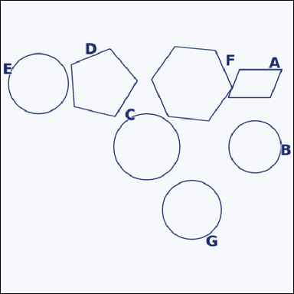 |  | task_geometry_counting_shape_type | circle | Use the diagram showing several labeled shapes. How many labeled shapes are circles? Return a valid JSON object with keys "evidence" and "answer" in that order. Evidence: set "evidence" to a sorted JSON array of the labels of all shapes that match the requested type. Answer: set "answer" to the count as an integer. Example JSON: {"evidence":["A","D","F"],"answer":3} | Use the diagram showing several labeled shapes. How many labeled shapes are circles? Return a valid JSON object with key "answer". Answer format: set "answer" to the count as an integer. Example JSON: {"answer":3} | {"evidence": ["B", "C", "E", "G"], "answer": 4} | ["B", "C", "E", "G"] | integer | label_set | 238208793086932 | geometry/task_geometry_counting_shape_type/images/circle/0010.png | geometry/task_geometry_counting_shape_type/data/circle/0010.json
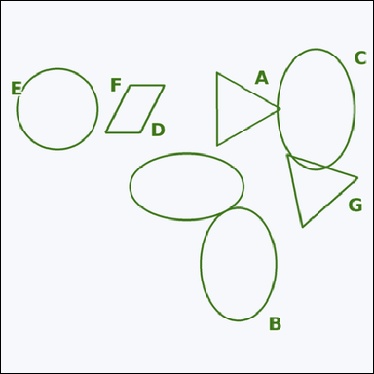 |  | task_geometry_counting_shape_type | circle | Work from the image showing several labeled shapes. Question: How many labeled shapes are circles? Return a valid JSON object with keys "evidence" and "answer" in that order. Evidence requirement: set "evidence" to a sorted JSON array of the labels of all shapes that match the requested type. Answer format: set "answer" to the count as an integer. Example JSON: {"evidence":["A","D","F"],"answer":3} | Work from the image showing several labeled shapes. Question: How many labeled shapes are circles? Return a valid JSON object with key "answer". Answer rule: set "answer" to the count as an integer. Example JSON: {"answer":3} | {"evidence": ["E"], "answer": 1} | ["E"] | integer | label_set | 284514528002398 | geometry/task_geometry_counting_shape_type/images/circle/0001.png | geometry/task_geometry_counting_shape_type/data/circle/0001.json
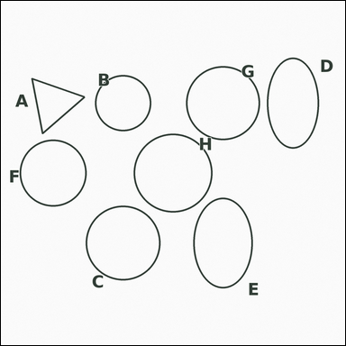 |  | task_geometry_counting_shape_type | circle | Use the diagram showing several labeled shapes. Answer this question: How many labeled shapes are circles? Return a valid JSON object with keys "evidence" and "answer" in that order. Evidence field: set "evidence" to a sorted JSON array of the labels of all shapes that match the requested type. Answer field: set "answer" to the count as an integer. Example JSON: {"evidence":["A","D","F"],"answer":3} | Use the diagram showing several labeled shapes. Answer this question: How many labeled shapes are circles? Return a valid JSON object with key "answer". Answer: set "answer" to the count as an integer. Example JSON: {"answer":3} | {"evidence": ["B", "C", "F", "G", "H"], "answer": 5} | ["B", "C", "F", "G", "H"] | integer | label_set | 679219216457158 | geometry/task_geometry_counting_shape_type/images/circle/0002.png | geometry/task_geometry_counting_shape_type/data/circle/0002.json
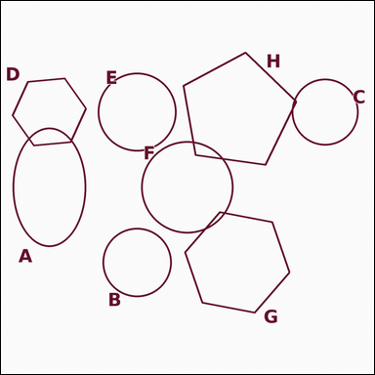 |  | task_geometry_counting_shape_type | circle | Use the diagram showing several labeled shapes. Question: How many labeled shapes are circles? Return a valid JSON object with keys "evidence" and "answer" in that order. Evidence requirement: set "evidence" to a sorted JSON array of the labels of all shapes that match the requested type. Answer format: set "answer" to the count as an integer. Example JSON: {"evidence":["A","D","F"],"answer":3} | Use the diagram showing several labeled shapes. Question: How many labeled shapes are circles? Return a valid JSON object with key "answer". Answer: set "answer" to the count as an integer. Example JSON: {"answer":3} | {"evidence": ["B", "C", "E", "F"], "answer": 4} | ["B", "C", "E", "F"] | integer | label_set | 1.787860405E+15 | geometry/task_geometry_counting_shape_type/images/circle/0008.png | geometry/task_geometry_counting_shape_type/data/circle/0008.json
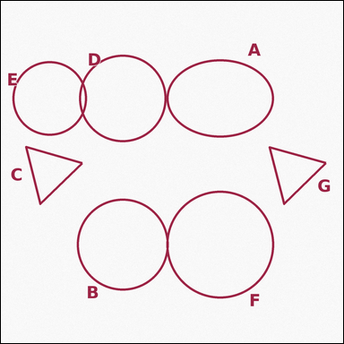 |  | task_geometry_counting_shape_type | circle | You are given an image showing several labeled shapes. Answer this question: How many labeled shapes are circles? Return a valid JSON object with keys "evidence" and "answer" in that order. Evidence format: set "evidence" to a sorted JSON array of the labels of all shapes that match the requested type. Answer requirement: set "answer" to the count as an integer. Example JSON: {"evidence":["A","D","F"],"answer":3} | You are given an image showing several labeled shapes. Answer this question: How many labeled shapes are circles? Return a valid JSON object with key "answer". Answer: set "answer" to the count as an integer. Example JSON: {"answer":3} | {"evidence": ["B", "D", "E", "F"], "answer": 4} | ["B", "D", "E", "F"] | integer | label_set | 1.8892715661E+15 | geometry/task_geometry_counting_shape_type/images/circle/0004.png | geometry/task_geometry_counting_shape_type/data/circle/0004.json
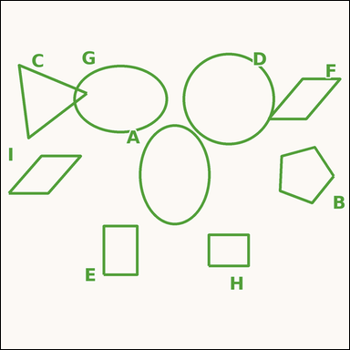 |  | task_geometry_counting_shape_type | circle | Look at the image showing several labeled shapes. Task: How many labeled shapes are circles? Return a valid JSON object with keys "evidence" and "answer" in that order. Evidence rule: set "evidence" to a sorted JSON array of the labels of all shapes that match the requested type. Answer rule: set "answer" to the count as an integer. Example JSON: {"evidence":["A","D","F"],"answer":3} | Look at the image showing several labeled shapes. Task: How many labeled shapes are circles? Return a valid JSON object with key "answer". Answer: set "answer" to the count as an integer. Example JSON: {"answer":3} | {"evidence": ["D"], "answer": 1} | ["D"] | integer | label_set | 2.2774958869E+15 | geometry/task_geometry_counting_shape_type/images/circle/0017.png | geometry/task_geometry_counting_shape_type/data/circle/0017.json
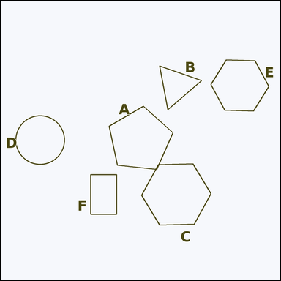 |  | task_geometry_counting_shape_type | circle | The image shows several labeled shapes. Task: How many labeled shapes are circles? Return a valid JSON object with keys "evidence" and "answer" in that order. Evidence field: set "evidence" to a sorted JSON array of the labels of all shapes that match the requested type. Answer field: set "answer" to the count as an integer. Example JSON: {"evidence":["A","D","F"],"answer":3} | The image shows several labeled shapes. Task: How many labeled shapes are circles? Return a valid JSON object with key "answer". Answer rule: set "answer" to the count as an integer. Example JSON: {"answer":3} | {"evidence": ["D"], "answer": 1} | ["D"] | integer | label_set | 3.1994773606E+15 | geometry/task_geometry_counting_shape_type/images/circle/0016.png | geometry/task_geometry_counting_shape_type/data/circle/0016.json
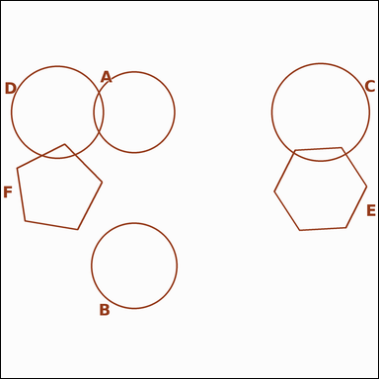 |  | task_geometry_counting_shape_type | circle | You are given an image showing several labeled shapes. Determine the answer: How many labeled shapes are circles? Return a valid JSON object with keys "evidence" and "answer" in that order. Evidence format: set "evidence" to a sorted JSON array of the labels of all shapes that match the requested type. Answer requirement: set "answer" to the count as an integer. Example JSON: {"evidence":["A","D","F"],"answer":3} | You are given an image showing several labeled shapes. Determine the answer: How many labeled shapes are circles? Return a valid JSON object with key "answer". Answer rule: set "answer" to the count as an integer. Example JSON: {"answer":3} | {"evidence": ["A", "B", "C", "D"], "answer": 4} | ["A", "B", "C", "D"] | integer | label_set | 4.3504600611E+15 | geometry/task_geometry_counting_shape_type/images/circle/0018.png | geometry/task_geometry_counting_shape_type/data/circle/0018.json
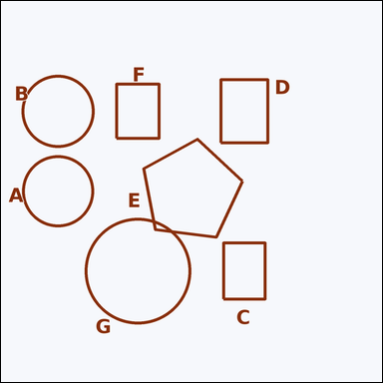 |  | task_geometry_counting_shape_type | circle | Look at the image showing several labeled shapes. Question: How many labeled shapes are circles? Return a valid JSON object with keys "evidence" and "answer" in that order. Evidence requirement: set "evidence" to a sorted JSON array of the labels of all shapes that match the requested type. Answer format: set "answer" to the count as an integer. Example JSON: {"evidence":["A","D","F"],"answer":3} | Look at the image showing several labeled shapes. Question: How many labeled shapes are circles? Return a valid JSON object with key "answer". Answer rule: set "answer" to the count as an integer. Example JSON: {"answer":3} | {"evidence": ["A", "B", "G"], "answer": 3} | ["A", "B", "G"] | integer | label_set | 4.4701943835E+15 | geometry/task_geometry_counting_shape_type/images/circle/0021.png | geometry/task_geometry_counting_shape_type/data/circle/0021.json
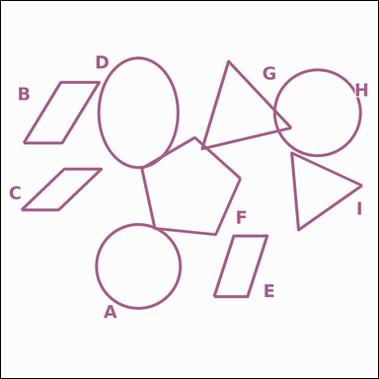 |  | task_geometry_counting_shape_type | circle | Look at the image showing several labeled shapes. Answer this question: How many labeled shapes are circles? Return a valid JSON object with keys "evidence" and "answer" in that order. Evidence format: set "evidence" to a sorted JSON array of the labels of all shapes that match the requested type. Answer requirement: set "answer" to the count as an integer. Example JSON: {"evidence":["A","D","F"],"answer":3} | Look at the image showing several labeled shapes. Answer this question: How many labeled shapes are circles? Return a valid JSON object with key "answer". Answer requirement: set "answer" to the count as an integer. Example JSON: {"answer":3} | {"evidence": ["A", "H"], "answer": 2} | ["A", "H"] | integer | label_set | 5.2395005626E+15 | geometry/task_geometry_counting_shape_type/images/circle/0000.png | geometry/task_geometry_counting_shape_type/data/circle/0000.json
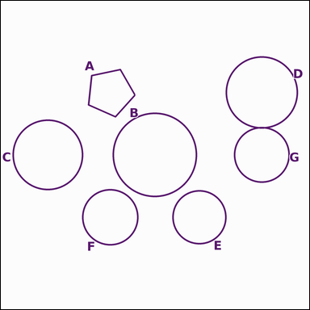 |  | task_geometry_counting_shape_type | circle | Work from the image showing several labeled shapes. How many labeled shapes are circles? Return a valid JSON object with keys "evidence" and "answer" in that order. Evidence field: set "evidence" to a sorted JSON array of the labels of all shapes that match the requested type. Answer field: set "answer" to the count as an integer. Example JSON: {"evidence":["A","D","F"],"answer":3} | Work from the image showing several labeled shapes. How many labeled shapes are circles? Return a valid JSON object with key "answer". Answer requirement: set "answer" to the count as an integer. Example JSON: {"answer":3} | {"evidence": ["B", "C", "D", "E", "F", "G"], "answer": 6} | ["B", "C", "D", "E", "F", "G"] | integer | label_set | 5.3925359468E+15 | geometry/task_geometry_counting_shape_type/images/circle/0012.png | geometry/task_geometry_counting_shape_type/data/circle/0012.json
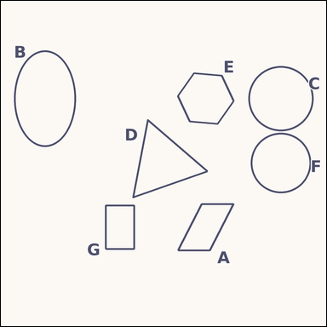 |  | task_geometry_counting_shape_type | circle | The image shows several labeled shapes. How many labeled shapes are circles? Return a valid JSON object with keys "evidence" and "answer" in that order. Evidence rule: set "evidence" to a sorted JSON array of the labels of all shapes that match the requested type. Answer rule: set "answer" to the count as an integer. Example JSON: {"evidence":["A","D","F"],"answer":3} | The image shows several labeled shapes. How many labeled shapes are circles? Return a valid JSON object with key "answer". Answer field: set "answer" to the count as an integer. Example JSON: {"answer":3} | {"evidence": ["C", "F"], "answer": 2} | ["C", "F"] | integer | label_set | 5.400326355E+15 | geometry/task_geometry_counting_shape_type/images/circle/0011.png | geometry/task_geometry_counting_shape_type/data/circle/0011.json
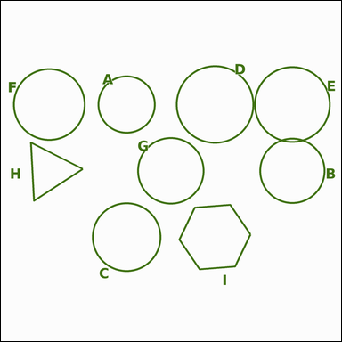 |  | task_geometry_counting_shape_type | circle | Work from the image showing several labeled shapes. Answer this question: How many labeled shapes are circles? Return a valid JSON object with keys "evidence" and "answer" in that order. Evidence field: set "evidence" to a sorted JSON array of the labels of all shapes that match the requested type. Answer field: set "answer" to the count as an integer. Example JSON: {"evidence":["A","D","F"],"answer":3} | Work from the image showing several labeled shapes. Answer this question: How many labeled shapes are circles? Return a valid JSON object with key "answer". Answer format: set "answer" to the count as an integer. Example JSON: {"answer":3} | {"evidence": ["A", "B", "C", "D", "E", "F", "G"], "answer": 7} | ["A", "B", "C", "D", "E", "F", "G"] | integer | label_set | 5.5743861484E+15 | geometry/task_geometry_counting_shape_type/images/circle/0015.png | geometry/task_geometry_counting_shape_type/data/circle/0015.json
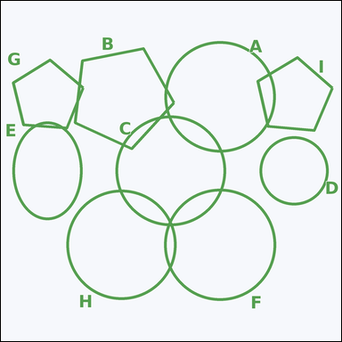 |  | task_geometry_counting_shape_type | circle | You are given an image showing several labeled shapes. Question: How many labeled shapes are circles? Return a valid JSON object with keys "evidence" and "answer" in that order. Evidence requirement: set "evidence" to a sorted JSON array of the labels of all shapes that match the requested type. Answer format: set "answer" to the count as an integer. Example JSON: {"evidence":["A","D","F"],"answer":3} | You are given an image showing several labeled shapes. Question: How many labeled shapes are circles? Return a valid JSON object with key "answer". Answer field: set "answer" to the count as an integer. Example JSON: {"answer":3} | {"evidence": ["A", "C", "D", "F", "H"], "answer": 5} | ["A", "C", "D", "F", "H"] | integer | label_set | 6.0181845406E+15 | geometry/task_geometry_counting_shape_type/images/circle/0009.png | geometry/task_geometry_counting_shape_type/data/circle/0009.json
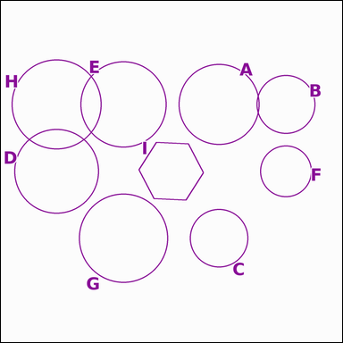 |  | task_geometry_counting_shape_type | circle | Use the diagram showing several labeled shapes. Question: How many labeled shapes are circles? Return a valid JSON object with keys "evidence" and "answer" in that order. Evidence rule: set "evidence" to a sorted JSON array of the labels of all shapes that match the requested type. Answer rule: set "answer" to the count as an integer. Example JSON: {"evidence":["A","D","F"],"answer":3} | Use the diagram showing several labeled shapes. Question: How many labeled shapes are circles? Return a valid JSON object with key "answer". Answer field: set "answer" to the count as an integer. Example JSON: {"answer":3} | {"evidence": ["A", "B", "C", "D", "E", "F", "G", "H"], "answer": 8} | ["A", "B", "C", "D", "E", "F", "G", "H"] | integer | label_set | 6.8859683286E+15 | geometry/task_geometry_counting_shape_type/images/circle/0020.png | geometry/task_geometry_counting_shape_type/data/circle/0020.json
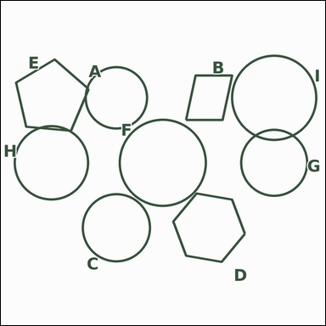 |  | task_geometry_counting_shape_type | circle | The image shows several labeled shapes. Question: How many labeled shapes are circles? Return a valid JSON object with keys "evidence" and "answer" in that order. Evidence: set "evidence" to a sorted JSON array of the labels of all shapes that match the requested type. Answer: set "answer" to the count as an integer. Example JSON: {"evidence":["A","D","F"],"answer":3} | The image shows several labeled shapes. Question: How many labeled shapes are circles? Return a valid JSON object with key "answer". Answer field: set "answer" to the count as an integer. Example JSON: {"answer":3} | {"evidence": ["A", "C", "F", "G", "H", "I"], "answer": 6} | ["A", "C", "F", "G", "H", "I"] | integer | label_set | 6.9686277584E+15 | geometry/task_geometry_counting_shape_type/images/circle/0022.png | geometry/task_geometry_counting_shape_type/data/circle/0022.json
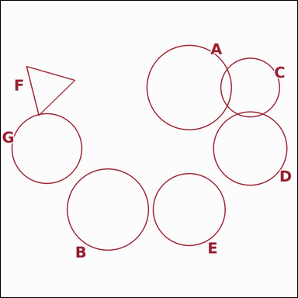 |  | task_geometry_counting_shape_type | circle | Work from the image showing several labeled shapes. Task: How many labeled shapes are circles? Return a valid JSON object with keys "evidence" and "answer" in that order. Evidence requirement: set "evidence" to a sorted JSON array of the labels of all shapes that match the requested type. Answer format: set "answer" to the count as an integer. Example JSON: {"evidence":["A","D","F"],"answer":3} | Work from the image showing several labeled shapes. Task: How many labeled shapes are circles? Return a valid JSON object with key "answer". Answer requirement: set "answer" to the count as an integer. Example JSON: {"answer":3} | {"evidence": ["A", "B", "C", "D", "E", "G"], "answer": 6} | ["A", "B", "C", "D", "E", "G"] | integer | label_set | 6.9745694996E+15 | geometry/task_geometry_counting_shape_type/images/circle/0014.png | geometry/task_geometry_counting_shape_type/data/circle/0014.json
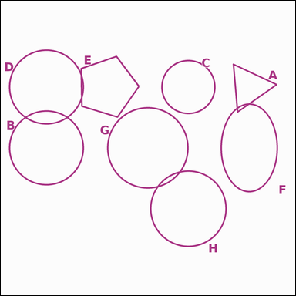 |  | task_geometry_counting_shape_type | circle | Use the diagram showing several labeled shapes. Answer this question: How many labeled shapes are circles? Return a valid JSON object with keys "evidence" and "answer" in that order. Evidence format: set "evidence" to a sorted JSON array of the labels of all shapes that match the requested type. Answer requirement: set "answer" to the count as an integer. Example JSON: {"evidence":["A","D","F"],"answer":3} | Use the diagram showing several labeled shapes. Answer this question: How many labeled shapes are circles? Return a valid JSON object with key "answer". Answer field: set "answer" to the count as an integer. Example JSON: {"answer":3} | {"evidence": ["B", "C", "D", "G", "H"], "answer": 5} | ["B", "C", "D", "G", "H"] | integer | label_set | 7.2725701256E+15 | geometry/task_geometry_counting_shape_type/images/circle/0024.png | geometry/task_geometry_counting_shape_type/data/circle/0024.json
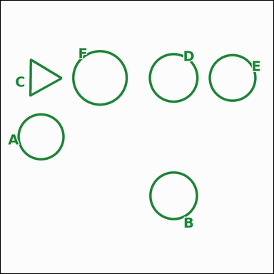 |  | task_geometry_counting_shape_type | circle | You are given an image showing several labeled shapes. How many labeled shapes are circles? Return a valid JSON object with keys "evidence" and "answer" in that order. Evidence rule: set "evidence" to a sorted JSON array of the labels of all shapes that match the requested type. Answer rule: set "answer" to the count as an integer. Example JSON: {"evidence":["A","D","F"],"answer":3} | You are given an image showing several labeled shapes. How many labeled shapes are circles? Return a valid JSON object with key "answer". Answer format: set "answer" to the count as an integer. Example JSON: {"answer":3} | {"evidence": ["A", "B", "D", "E", "F"], "answer": 5} | ["A", "B", "D", "E", "F"] | integer | label_set | 7.5730797065E+15 | geometry/task_geometry_counting_shape_type/images/circle/0006.png | geometry/task_geometry_counting_shape_type/data/circle/0006.json
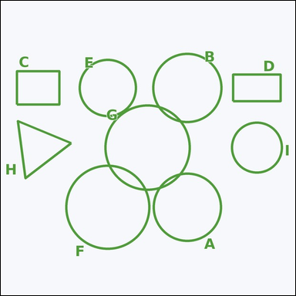 |  | task_geometry_counting_shape_type | circle | The image shows several labeled shapes. Question: How many labeled shapes are circles? Return a valid JSON object with keys "evidence" and "answer" in that order. Evidence: set "evidence" to a sorted JSON array of the labels of all shapes that match the requested type. Answer: set "answer" to the count as an integer. Example JSON: {"evidence":["A","D","F"],"answer":3} | The image shows several labeled shapes. Question: How many labeled shapes are circles? Return a valid JSON object with key "answer". Answer format: set "answer" to the count as an integer. Example JSON: {"answer":3} | {"evidence": ["A", "B", "E", "F", "G", "I"], "answer": 6} | ["A", "B", "E", "F", "G", "I"] | integer | label_set | 7.688908048E+15 | geometry/task_geometry_counting_shape_type/images/circle/0003.png | geometry/task_geometry_counting_shape_type/data/circle/0003.json
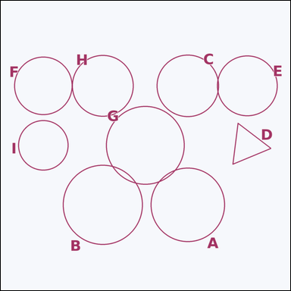 |  | task_geometry_counting_shape_type | circle | You are given an image showing several labeled shapes. Task: How many labeled shapes are circles? Return a valid JSON object with keys "evidence" and "answer" in that order. Evidence rule: set "evidence" to a sorted JSON array of the labels of all shapes that match the requested type. Answer rule: set "answer" to the count as an integer. Example JSON: {"evidence":["A","D","F"],"answer":3} | You are given an image showing several labeled shapes. Task: How many labeled shapes are circles? Return a valid JSON object with key "answer". Answer format: set "answer" to the count as an integer. Example JSON: {"answer":3} | {"evidence": ["A", "B", "C", "E", "F", "G", "H", "I"], "answer": 8} | ["A", "B", "C", "E", "F", "G", "H", "I"] | integer | label_set | 7.73190824E+15 | geometry/task_geometry_counting_shape_type/images/circle/0007.png | geometry/task_geometry_counting_shape_type/data/circle/0007.json
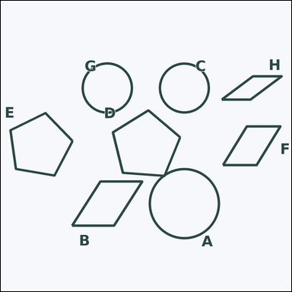 |  | task_geometry_counting_shape_type | circle | Work from the image showing several labeled shapes. Task: How many labeled shapes are circles? Return a valid JSON object with keys "evidence" and "answer" in that order. Evidence: set "evidence" to a sorted JSON array of the labels of all shapes that match the requested type. Answer: set "answer" to the count as an integer. Example JSON: {"evidence":["A","D","F"],"answer":3} | Work from the image showing several labeled shapes. Task: How many labeled shapes are circles? Return a valid JSON object with key "answer". Answer requirement: set "answer" to the count as an integer. Example JSON: {"answer":3} | {"evidence": ["A", "C", "G"], "answer": 3} | ["A", "C", "G"] | integer | label_set | 8.1783173015E+15 | geometry/task_geometry_counting_shape_type/images/circle/0013.png | geometry/task_geometry_counting_shape_type/data/circle/0013.json
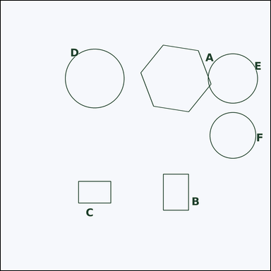 |  | task_geometry_counting_shape_type | circle | You are given an image showing several labeled shapes. Question: How many labeled shapes are circles? Return a valid JSON object with keys "evidence" and "answer" in that order. Evidence: set "evidence" to a sorted JSON array of the labels of all shapes that match the requested type. Answer: set "answer" to the count as an integer. Example JSON: {"evidence":["A","D","F"],"answer":3} | You are given an image showing several labeled shapes. Question: How many labeled shapes are circles? Return a valid JSON object with key "answer". Answer rule: set "answer" to the count as an integer. Example JSON: {"answer":3} | {"evidence": ["D", "E", "F"], "answer": 3} | ["D", "E", "F"] | integer | label_set | 8.3410744111E+15 | geometry/task_geometry_counting_shape_type/images/circle/0005.png | geometry/task_geometry_counting_shape_type/data/circle/0005.json
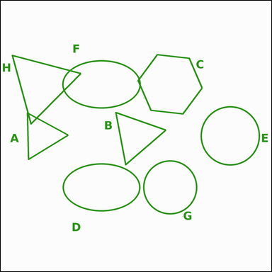 |  | task_geometry_counting_shape_type | circle | Work from the image showing several labeled shapes. Answer this question: How many labeled shapes are circles? Return a valid JSON object with keys "evidence" and "answer" in that order. Evidence format: set "evidence" to a sorted JSON array of the labels of all shapes that match the requested type. Answer requirement: set "answer" to the count as an integer. Example JSON: {"evidence":["A","D","F"],"answer":3} | Work from the image showing several labeled shapes. Answer this question: How many labeled shapes are circles? Return a valid JSON object with key "answer". Answer format: set "answer" to the count as an integer. Example JSON: {"answer":3} | {"evidence": ["E", "G"], "answer": 2} | ["E", "G"] | integer | label_set | 8.9221854871E+15 | geometry/task_geometry_counting_shape_type/images/circle/0019.png | geometry/task_geometry_counting_shape_type/data/circle/0019.json
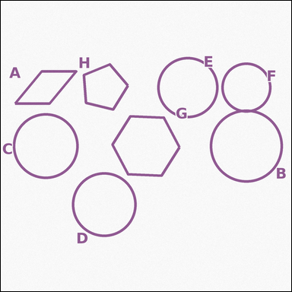 |  | task_geometry_counting_shape_type | circle | Work from the image showing several labeled shapes. Determine the answer: How many labeled shapes are circles? Return a valid JSON object with keys "evidence" and "answer" in that order. Evidence format: set "evidence" to a sorted JSON array of the labels of all shapes that match the requested type. Answer requirement: set "answer" to the count as an integer. Example JSON: {"evidence":["A","D","F"],"answer":3} | Work from the image showing several labeled shapes. Determine the answer: How many labeled shapes are circles? Return a valid JSON object with key "answer". Answer: set "answer" to the count as an integer. Example JSON: {"answer":3} | {"evidence": ["B", "C", "D", "E", "F"], "answer": 5} | ["B", "C", "D", "E", "F"] | integer | label_set | 8.9952919751E+15 | geometry/task_geometry_counting_shape_type/images/circle/0023.png | geometry/task_geometry_counting_shape_type/data/circle/0023.json

ellipse
image | evidence_image | task | task_variant | prompt | prompt_answer_only | answer | answer_evidence | answer_type | evidence_type | instance_seed | image_path | data_path
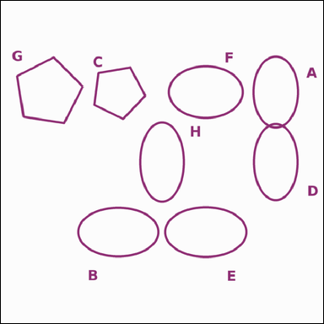 |  | task_geometry_counting_shape_type | ellipse | The image shows several labeled shapes. Answer this question: How many labeled shapes are ellipses? Return a valid JSON object with keys "evidence" and "answer" in that order. Evidence field: set "evidence" to a sorted JSON array of the labels of all shapes that match the requested type. Answer field: set "answer" to the count as an integer. Example JSON: {"evidence":["A","D","F"],"answer":3} | The image shows several labeled shapes. Answer this question: How many labeled shapes are ellipses? Return a valid JSON object with key "answer". Answer: set "answer" to the count as an integer. Example JSON: {"answer":3} | {"evidence": ["A", "B", "D", "E", "F", "H"], "answer": 6} | ["A", "B", "D", "E", "F", "H"] | integer | label_set | 64104107343443 | geometry/task_geometry_counting_shape_type/images/ellipse/0023.png | geometry/task_geometry_counting_shape_type/data/ellipse/0023.json
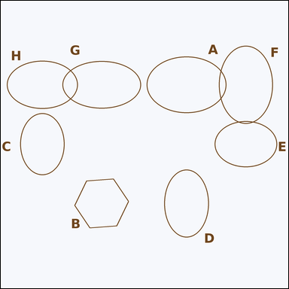 |  | task_geometry_counting_shape_type | ellipse | The image shows several labeled shapes. Question: How many labeled shapes are ellipses? Return a valid JSON object with keys "evidence" and "answer" in that order. Evidence field: set "evidence" to a sorted JSON array of the labels of all shapes that match the requested type. Answer field: set "answer" to the count as an integer. Example JSON: {"evidence":["A","D","F"],"answer":3} | The image shows several labeled shapes. Question: How many labeled shapes are ellipses? Return a valid JSON object with key "answer". Answer format: set "answer" to the count as an integer. Example JSON: {"answer":3} | {"evidence": ["A", "C", "D", "E", "F", "G", "H"], "answer": 7} | ["A", "C", "D", "E", "F", "G", "H"] | integer | label_set | 730822106308241 | geometry/task_geometry_counting_shape_type/images/ellipse/0009.png | geometry/task_geometry_counting_shape_type/data/ellipse/0009.json
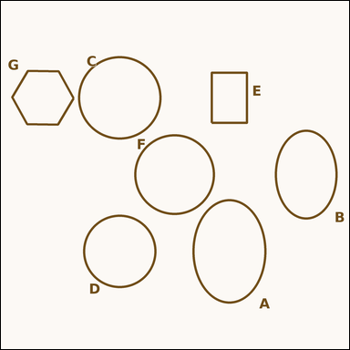 |  | task_geometry_counting_shape_type | ellipse | Work from the image showing several labeled shapes. How many labeled shapes are ellipses? Return a valid JSON object with keys "evidence" and "answer" in that order. Evidence: set "evidence" to a sorted JSON array of the labels of all shapes that match the requested type. Answer: set "answer" to the count as an integer. Example JSON: {"evidence":["A","D","F"],"answer":3} | Work from the image showing several labeled shapes. How many labeled shapes are ellipses? Return a valid JSON object with key "answer". Answer field: set "answer" to the count as an integer. Example JSON: {"answer":3} | {"evidence": ["A", "B"], "answer": 2} | ["A", "B"] | integer | label_set | 1.1252016432E+15 | geometry/task_geometry_counting_shape_type/images/ellipse/0019.png | geometry/task_geometry_counting_shape_type/data/ellipse/0019.json
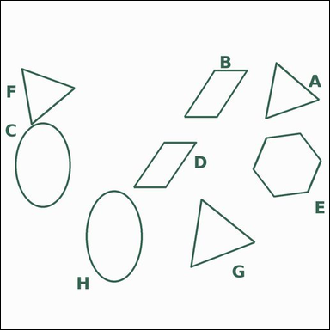 |  | task_geometry_counting_shape_type | ellipse | Use the diagram showing several labeled shapes. Question: How many labeled shapes are ellipses? Return a valid JSON object with keys "evidence" and "answer" in that order. Evidence requirement: set "evidence" to a sorted JSON array of the labels of all shapes that match the requested type. Answer format: set "answer" to the count as an integer. Example JSON: {"evidence":["A","D","F"],"answer":3} | Use the diagram showing several labeled shapes. Question: How many labeled shapes are ellipses? Return a valid JSON object with key "answer". Answer: set "answer" to the count as an integer. Example JSON: {"answer":3} | {"evidence": ["C", "H"], "answer": 2} | ["C", "H"] | integer | label_set | 2.5584512099E+15 | geometry/task_geometry_counting_shape_type/images/ellipse/0020.png | geometry/task_geometry_counting_shape_type/data/ellipse/0020.json
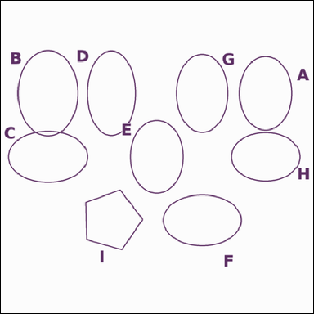 |  | task_geometry_counting_shape_type | ellipse | Use the diagram showing several labeled shapes. How many labeled shapes are ellipses? Return a valid JSON object with keys "evidence" and "answer" in that order. Evidence: set "evidence" to a sorted JSON array of the labels of all shapes that match the requested type. Answer: set "answer" to the count as an integer. Example JSON: {"evidence":["A","D","F"],"answer":3} | Use the diagram showing several labeled shapes. How many labeled shapes are ellipses? Return a valid JSON object with key "answer". Answer: set "answer" to the count as an integer. Example JSON: {"answer":3} | {"evidence": ["A", "B", "C", "D", "E", "F", "G", "H"], "answer": 8} | ["A", "B", "C", "D", "E", "F", "G", "H"] | integer | label_set | 2.5685085494E+15 | geometry/task_geometry_counting_shape_type/images/ellipse/0000.png | geometry/task_geometry_counting_shape_type/data/ellipse/0000.json
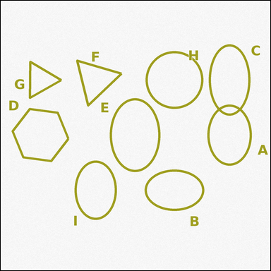 |  | task_geometry_counting_shape_type | ellipse | Use the diagram showing several labeled shapes. Task: How many labeled shapes are ellipses? Return a valid JSON object with keys "evidence" and "answer" in that order. Evidence requirement: set "evidence" to a sorted JSON array of the labels of all shapes that match the requested type. Answer format: set "answer" to the count as an integer. Example JSON: {"evidence":["A","D","F"],"answer":3} | Use the diagram showing several labeled shapes. Task: How many labeled shapes are ellipses? Return a valid JSON object with key "answer". Answer format: set "answer" to the count as an integer. Example JSON: {"answer":3} | {"evidence": ["A", "B", "C", "E", "I"], "answer": 5} | ["A", "B", "C", "E", "I"] | integer | label_set | 2.8237060676E+15 | geometry/task_geometry_counting_shape_type/images/ellipse/0002.png | geometry/task_geometry_counting_shape_type/data/ellipse/0002.json
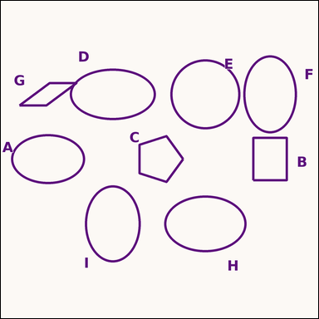 |  | task_geometry_counting_shape_type | ellipse | Look at the image showing several labeled shapes. Question: How many labeled shapes are ellipses? Return a valid JSON object with keys "evidence" and "answer" in that order. Evidence rule: set "evidence" to a sorted JSON array of the labels of all shapes that match the requested type. Answer rule: set "answer" to the count as an integer. Example JSON: {"evidence":["A","D","F"],"answer":3} | Look at the image showing several labeled shapes. Question: How many labeled shapes are ellipses? Return a valid JSON object with key "answer". Answer requirement: set "answer" to the count as an integer. Example JSON: {"answer":3} | {"evidence": ["A", "D", "F", "H", "I"], "answer": 5} | ["A", "D", "F", "H", "I"] | integer | label_set | 2.8950746704E+15 | geometry/task_geometry_counting_shape_type/images/ellipse/0024.png | geometry/task_geometry_counting_shape_type/data/ellipse/0024.json
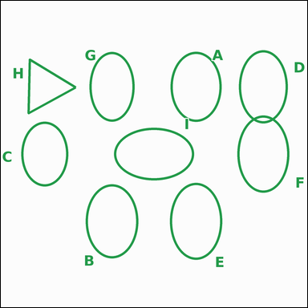 |  | task_geometry_counting_shape_type | ellipse | Look at the image showing several labeled shapes. Determine the answer: How many labeled shapes are ellipses? Return a valid JSON object with keys "evidence" and "answer" in that order. Evidence field: set "evidence" to a sorted JSON array of the labels of all shapes that match the requested type. Answer field: set "answer" to the count as an integer. Example JSON: {"evidence":["A","D","F"],"answer":3} | Look at the image showing several labeled shapes. Determine the answer: How many labeled shapes are ellipses? Return a valid JSON object with key "answer". Answer requirement: set "answer" to the count as an integer. Example JSON: {"answer":3} | {"evidence": ["A", "B", "C", "D", "E", "F", "G", "I"], "answer": 8} | ["A", "B", "C", "D", "E", "F", "G", "I"] | integer | label_set | 3.5934347906E+15 | geometry/task_geometry_counting_shape_type/images/ellipse/0005.png | geometry/task_geometry_counting_shape_type/data/ellipse/0005.json
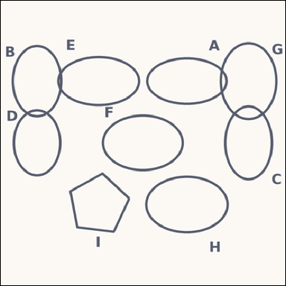 |  | task_geometry_counting_shape_type | ellipse | The image shows several labeled shapes. Task: How many labeled shapes are ellipses? Return a valid JSON object with keys "evidence" and "answer" in that order. Evidence requirement: set "evidence" to a sorted JSON array of the labels of all shapes that match the requested type. Answer format: set "answer" to the count as an integer. Example JSON: {"evidence":["A","D","F"],"answer":3} | The image shows several labeled shapes. Task: How many labeled shapes are ellipses? Return a valid JSON object with key "answer". Answer rule: set "answer" to the count as an integer. Example JSON: {"answer":3} | {"evidence": ["A", "B", "C", "D", "E", "F", "G", "H"], "answer": 8} | ["A", "B", "C", "D", "E", "F", "G", "H"] | integer | label_set | 3.6088331991E+15 | geometry/task_geometry_counting_shape_type/images/ellipse/0008.png | geometry/task_geometry_counting_shape_type/data/ellipse/0008.json
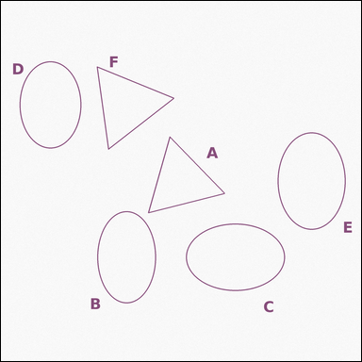 |  | task_geometry_counting_shape_type | ellipse | You are given an image showing several labeled shapes. Task: How many labeled shapes are ellipses? Return a valid JSON object with keys "evidence" and "answer" in that order. Evidence format: set "evidence" to a sorted JSON array of the labels of all shapes that match the requested type. Answer requirement: set "answer" to the count as an integer. Example JSON: {"evidence":["A","D","F"],"answer":3} | You are given an image showing several labeled shapes. Task: How many labeled shapes are ellipses? Return a valid JSON object with key "answer". Answer requirement: set "answer" to the count as an integer. Example JSON: {"answer":3} | {"evidence": ["B", "C", "D", "E"], "answer": 4} | ["B", "C", "D", "E"] | integer | label_set | 3.8727923317E+15 | geometry/task_geometry_counting_shape_type/images/ellipse/0021.png | geometry/task_geometry_counting_shape_type/data/ellipse/0021.json
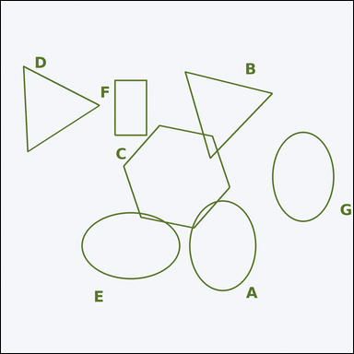 |  | task_geometry_counting_shape_type | ellipse | Work from the image showing several labeled shapes. Question: How many labeled shapes are ellipses? Return a valid JSON object with keys "evidence" and "answer" in that order. Evidence field: set "evidence" to a sorted JSON array of the labels of all shapes that match the requested type. Answer field: set "answer" to the count as an integer. Example JSON: {"evidence":["A","D","F"],"answer":3} | Work from the image showing several labeled shapes. Question: How many labeled shapes are ellipses? Return a valid JSON object with key "answer". Answer requirement: set "answer" to the count as an integer. Example JSON: {"answer":3} | {"evidence": ["A", "E", "G"], "answer": 3} | ["A", "E", "G"] | integer | label_set | 3.9480361628E+15 | geometry/task_geometry_counting_shape_type/images/ellipse/0016.png | geometry/task_geometry_counting_shape_type/data/ellipse/0016.json
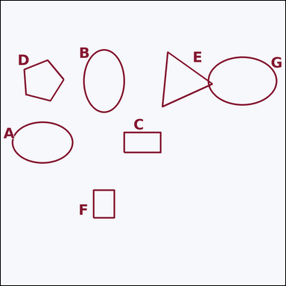 |  | task_geometry_counting_shape_type | ellipse | Look at the image showing several labeled shapes. Determine the answer: How many labeled shapes are ellipses? Return a valid JSON object with keys "evidence" and "answer" in that order. Evidence rule: set "evidence" to a sorted JSON array of the labels of all shapes that match the requested type. Answer rule: set "answer" to the count as an integer. Example JSON: {"evidence":["A","D","F"],"answer":3} | Look at the image showing several labeled shapes. Determine the answer: How many labeled shapes are ellipses? Return a valid JSON object with key "answer". Answer format: set "answer" to the count as an integer. Example JSON: {"answer":3} | {"evidence": ["A", "B", "G"], "answer": 3} | ["A", "B", "G"] | integer | label_set | 4.3030819206E+15 | geometry/task_geometry_counting_shape_type/images/ellipse/0011.png | geometry/task_geometry_counting_shape_type/data/ellipse/0011.json
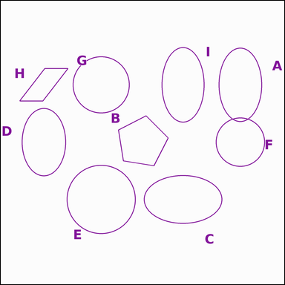 |  | task_geometry_counting_shape_type | ellipse | You are given an image showing several labeled shapes. How many labeled shapes are ellipses? Return a valid JSON object with keys "evidence" and "answer" in that order. Evidence rule: set "evidence" to a sorted JSON array of the labels of all shapes that match the requested type. Answer rule: set "answer" to the count as an integer. Example JSON: {"evidence":["A","D","F"],"answer":3} | You are given an image showing several labeled shapes. How many labeled shapes are ellipses? Return a valid JSON object with key "answer". Answer rule: set "answer" to the count as an integer. Example JSON: {"answer":3} | {"evidence": ["A", "C", "D", "I"], "answer": 4} | ["A", "C", "D", "I"] | integer | label_set | 4.3323845456E+15 | geometry/task_geometry_counting_shape_type/images/ellipse/0014.png | geometry/task_geometry_counting_shape_type/data/ellipse/0014.json
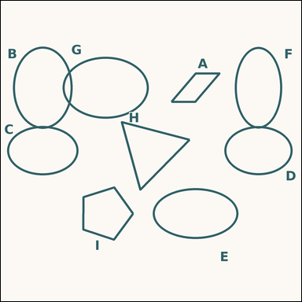 |  | task_geometry_counting_shape_type | ellipse | You are given an image showing several labeled shapes. Question: How many labeled shapes are ellipses? Return a valid JSON object with keys "evidence" and "answer" in that order. Evidence rule: set "evidence" to a sorted JSON array of the labels of all shapes that match the requested type. Answer rule: set "answer" to the count as an integer. Example JSON: {"evidence":["A","D","F"],"answer":3} | You are given an image showing several labeled shapes. Question: How many labeled shapes are ellipses? Return a valid JSON object with key "answer". Answer rule: set "answer" to the count as an integer. Example JSON: {"answer":3} | {"evidence": ["B", "C", "D", "E", "F", "G"], "answer": 6} | ["B", "C", "D", "E", "F", "G"] | integer | label_set | 4.7872338693E+15 | geometry/task_geometry_counting_shape_type/images/ellipse/0018.png | geometry/task_geometry_counting_shape_type/data/ellipse/0018.json
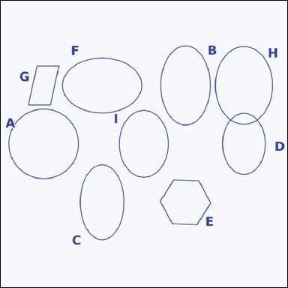 |  | task_geometry_counting_shape_type | ellipse | You are given an image showing several labeled shapes. Determine the answer: How many labeled shapes are ellipses? Return a valid JSON object with keys "evidence" and "answer" in that order. Evidence format: set "evidence" to a sorted JSON array of the labels of all shapes that match the requested type. Answer requirement: set "answer" to the count as an integer. Example JSON: {"evidence":["A","D","F"],"answer":3} | You are given an image showing several labeled shapes. Determine the answer: How many labeled shapes are ellipses? Return a valid JSON object with key "answer". Answer format: set "answer" to the count as an integer. Example JSON: {"answer":3} | {"evidence": ["B", "C", "D", "F", "H", "I"], "answer": 6} | ["B", "C", "D", "F", "H", "I"] | integer | label_set | 4.8735169138E+15 | geometry/task_geometry_counting_shape_type/images/ellipse/0013.png | geometry/task_geometry_counting_shape_type/data/ellipse/0013.json
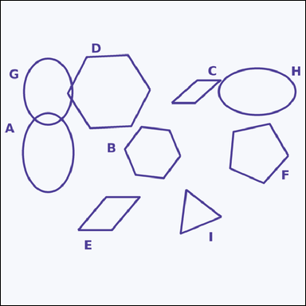 |  | task_geometry_counting_shape_type | ellipse | You are given an image showing several labeled shapes. Question: How many labeled shapes are ellipses? Return a valid JSON object with keys "evidence" and "answer" in that order. Evidence format: set "evidence" to a sorted JSON array of the labels of all shapes that match the requested type. Answer requirement: set "answer" to the count as an integer. Example JSON: {"evidence":["A","D","F"],"answer":3} | You are given an image showing several labeled shapes. Question: How many labeled shapes are ellipses? Return a valid JSON object with key "answer". Answer rule: set "answer" to the count as an integer. Example JSON: {"answer":3} | {"evidence": ["A", "G", "H"], "answer": 3} | ["A", "G", "H"] | integer | label_set | 5.9816539788E+15 | geometry/task_geometry_counting_shape_type/images/ellipse/0004.png | geometry/task_geometry_counting_shape_type/data/ellipse/0004.json
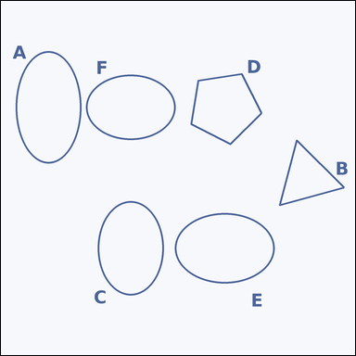 |  | task_geometry_counting_shape_type | ellipse | The image shows several labeled shapes. Determine the answer: How many labeled shapes are ellipses? Return a valid JSON object with keys "evidence" and "answer" in that order. Evidence: set "evidence" to a sorted JSON array of the labels of all shapes that match the requested type. Answer: set "answer" to the count as an integer. Example JSON: {"evidence":["A","D","F"],"answer":3} | The image shows several labeled shapes. Determine the answer: How many labeled shapes are ellipses? Return a valid JSON object with key "answer". Answer rule: set "answer" to the count as an integer. Example JSON: {"answer":3} | {"evidence": ["A", "C", "E", "F"], "answer": 4} | ["A", "C", "E", "F"] | integer | label_set | 6.203401877E+15 | geometry/task_geometry_counting_shape_type/images/ellipse/0010.png | geometry/task_geometry_counting_shape_type/data/ellipse/0010.json
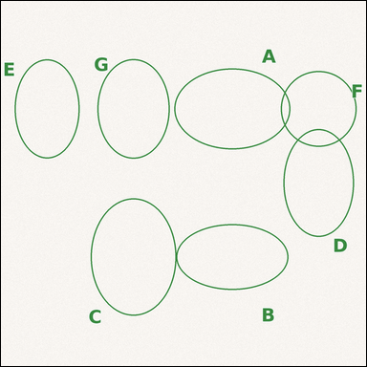 |  | task_geometry_counting_shape_type | ellipse | The image shows several labeled shapes. Answer this question: How many labeled shapes are ellipses? Return a valid JSON object with keys "evidence" and "answer" in that order. Evidence: set "evidence" to a sorted JSON array of the labels of all shapes that match the requested type. Answer: set "answer" to the count as an integer. Example JSON: {"evidence":["A","D","F"],"answer":3} | The image shows several labeled shapes. Answer this question: How many labeled shapes are ellipses? Return a valid JSON object with key "answer". Answer requirement: set "answer" to the count as an integer. Example JSON: {"answer":3} | {"evidence": ["A", "B", "C", "D", "E", "G"], "answer": 6} | ["A", "B", "C", "D", "E", "G"] | integer | label_set | 6.3741908383E+15 | geometry/task_geometry_counting_shape_type/images/ellipse/0015.png | geometry/task_geometry_counting_shape_type/data/ellipse/0015.json
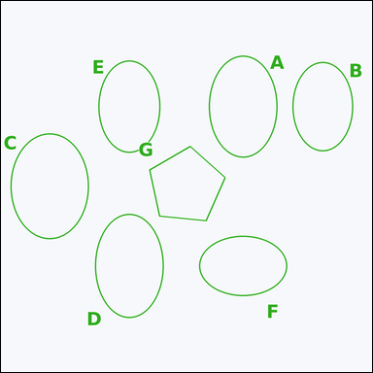 |  | task_geometry_counting_shape_type | ellipse | Use the diagram showing several labeled shapes. Question: How many labeled shapes are ellipses? Return a valid JSON object with keys "evidence" and "answer" in that order. Evidence format: set "evidence" to a sorted JSON array of the labels of all shapes that match the requested type. Answer requirement: set "answer" to the count as an integer. Example JSON: {"evidence":["A","D","F"],"answer":3} | Use the diagram showing several labeled shapes. Question: How many labeled shapes are ellipses? Return a valid JSON object with key "answer". Answer rule: set "answer" to the count as an integer. Example JSON: {"answer":3} | {"evidence": ["A", "B", "C", "D", "E", "F"], "answer": 6} | ["A", "B", "C", "D", "E", "F"] | integer | label_set | 7.4838133519E+15 | geometry/task_geometry_counting_shape_type/images/ellipse/0006.png | geometry/task_geometry_counting_shape_type/data/ellipse/0006.json
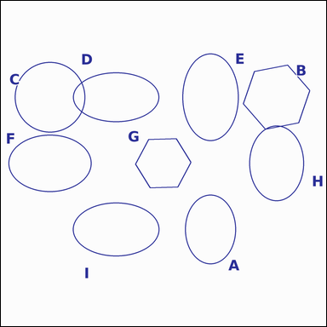 |  | task_geometry_counting_shape_type | ellipse | Work from the image showing several labeled shapes. Task: How many labeled shapes are ellipses? Return a valid JSON object with keys "evidence" and "answer" in that order. Evidence rule: set "evidence" to a sorted JSON array of the labels of all shapes that match the requested type. Answer rule: set "answer" to the count as an integer. Example JSON: {"evidence":["A","D","F"],"answer":3} | Work from the image showing several labeled shapes. Task: How many labeled shapes are ellipses? Return a valid JSON object with key "answer". Answer rule: set "answer" to the count as an integer. Example JSON: {"answer":3} | {"evidence": ["A", "D", "E", "F", "H", "I"], "answer": 6} | ["A", "D", "E", "F", "H", "I"] | integer | label_set | 7.5811637952E+15 | geometry/task_geometry_counting_shape_type/images/ellipse/0007.png | geometry/task_geometry_counting_shape_type/data/ellipse/0007.json
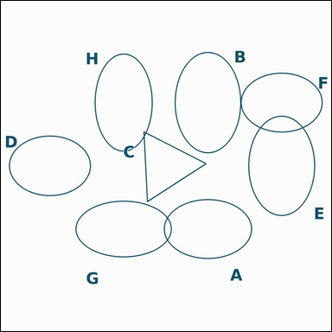 |  | task_geometry_counting_shape_type | ellipse | The image shows several labeled shapes. Question: How many labeled shapes are ellipses? Return a valid JSON object with keys "evidence" and "answer" in that order. Evidence rule: set "evidence" to a sorted JSON array of the labels of all shapes that match the requested type. Answer rule: set "answer" to the count as an integer. Example JSON: {"evidence":["A","D","F"],"answer":3} | The image shows several labeled shapes. Question: How many labeled shapes are ellipses? Return a valid JSON object with key "answer". Answer format: set "answer" to the count as an integer. Example JSON: {"answer":3} | {"evidence": ["A", "B", "D", "E", "F", "G", "H"], "answer": 7} | ["A", "B", "D", "E", "F", "G", "H"] | integer | label_set | 7.6216953259E+15 | geometry/task_geometry_counting_shape_type/images/ellipse/0012.png | geometry/task_geometry_counting_shape_type/data/ellipse/0012.json
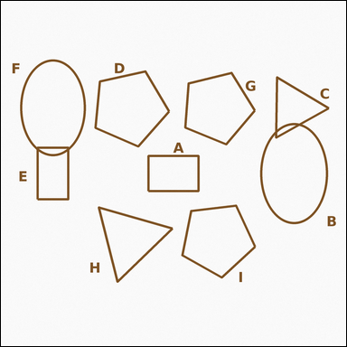 |  | task_geometry_counting_shape_type | ellipse | Work from the image showing several labeled shapes. How many labeled shapes are ellipses? Return a valid JSON object with keys "evidence" and "answer" in that order. Evidence rule: set "evidence" to a sorted JSON array of the labels of all shapes that match the requested type. Answer rule: set "answer" to the count as an integer. Example JSON: {"evidence":["A","D","F"],"answer":3} | Work from the image showing several labeled shapes. How many labeled shapes are ellipses? Return a valid JSON object with key "answer". Answer format: set "answer" to the count as an integer. Example JSON: {"answer":3} | {"evidence": ["B", "F"], "answer": 2} | ["B", "F"] | integer | label_set | 7.6336293713E+15 | geometry/task_geometry_counting_shape_type/images/ellipse/0017.png | geometry/task_geometry_counting_shape_type/data/ellipse/0017.json
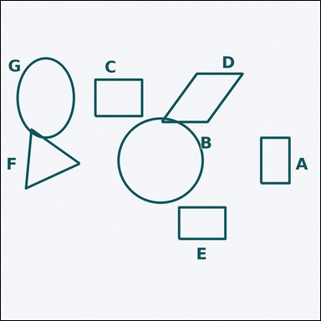 |  | task_geometry_counting_shape_type | ellipse | Use the diagram showing several labeled shapes. Question: How many labeled shapes are ellipses? Return a valid JSON object with keys "evidence" and "answer" in that order. Evidence format: set "evidence" to a sorted JSON array of the labels of all shapes that match the requested type. Answer requirement: set "answer" to the count as an integer. Example JSON: {"evidence":["A","D","F"],"answer":3} | Use the diagram showing several labeled shapes. Question: How many labeled shapes are ellipses? Return a valid JSON object with key "answer". Answer requirement: set "answer" to the count as an integer. Example JSON: {"answer":3} | {"evidence": ["G"], "answer": 1} | ["G"] | integer | label_set | 8.1034956574E+15 | geometry/task_geometry_counting_shape_type/images/ellipse/0001.png | geometry/task_geometry_counting_shape_type/data/ellipse/0001.json
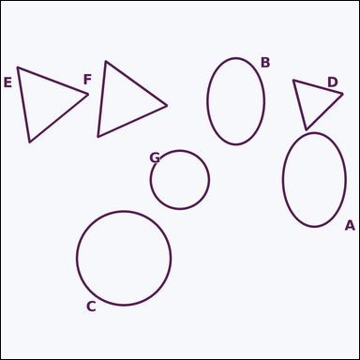 |  | task_geometry_counting_shape_type | ellipse | Work from the image showing several labeled shapes. Determine the answer: How many labeled shapes are ellipses? Return a valid JSON object with keys "evidence" and "answer" in that order. Evidence field: set "evidence" to a sorted JSON array of the labels of all shapes that match the requested type. Answer field: set "answer" to the count as an integer. Example JSON: {"evidence":["A","D","F"],"answer":3} | Work from the image showing several labeled shapes. Determine the answer: How many labeled shapes are ellipses? Return a valid JSON object with key "answer". Answer format: set "answer" to the count as an integer. Example JSON: {"answer":3} | {"evidence": ["A", "B"], "answer": 2} | ["A", "B"] | integer | label_set | 8.2422124731E+15 | geometry/task_geometry_counting_shape_type/images/ellipse/0022.png | geometry/task_geometry_counting_shape_type/data/ellipse/0022.json
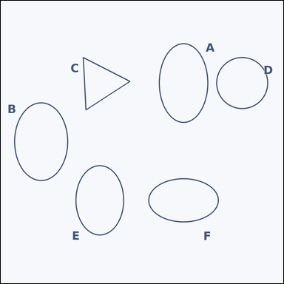 |  | task_geometry_counting_shape_type | ellipse | Look at the image showing several labeled shapes. Determine the answer: How many labeled shapes are ellipses? Return a valid JSON object with keys "evidence" and "answer" in that order. Evidence field: set "evidence" to a sorted JSON array of the labels of all shapes that match the requested type. Answer field: set "answer" to the count as an integer. Example JSON: {"evidence":["A","D","F"],"answer":3} | Look at the image showing several labeled shapes. Determine the answer: How many labeled shapes are ellipses? Return a valid JSON object with key "answer". Answer rule: set "answer" to the count as an integer. Example JSON: {"answer":3} | {"evidence": ["A", "B", "E", "F"], "answer": 4} | ["A", "B", "E", "F"] | integer | label_set | 8.9911449499E+15 | geometry/task_geometry_counting_shape_type/images/ellipse/0003.png | geometry/task_geometry_counting_shape_type/data/ellipse/0003.json

hexagon
image | evidence_image | task | task_variant | prompt | prompt_answer_only | answer | answer_evidence | answer_type | evidence_type | instance_seed | image_path | data_path
 |  | task_geometry_counting_shape_type | hexagon | Use the diagram showing several labeled shapes. Determine the answer: How many labeled shapes are hexagons? Return a valid JSON object with keys "evidence" and "answer" in that order. Evidence rule: set "evidence" to a sorted JSON array of the labels of all shapes that match the requested type. Answer rule: set "answer" to the count as an integer. Example JSON: {"evidence":["A","D","F"],"answer":3} | Use the diagram showing several labeled shapes. Determine the answer: How many labeled shapes are hexagons? Return a valid JSON object with key "answer". Answer: set "answer" to the count as an integer. Example JSON: {"answer":3} | {"evidence": ["B", "H"], "answer": 2} | ["B", "H"] | integer | label_set | 185331389993025 | geometry/task_geometry_counting_shape_type/images/hexagon/0019.png | geometry/task_geometry_counting_shape_type/data/hexagon/0019.json
 |  | task_geometry_counting_shape_type | hexagon | The image shows several labeled shapes. Task: How many labeled shapes are hexagons? Return a valid JSON object with keys "evidence" and "answer" in that order. Evidence: set "evidence" to a sorted JSON array of the labels of all shapes that match the requested type. Answer: set "answer" to the count as an integer. Example JSON: {"evidence":["A","D","F"],"answer":3} | The image shows several labeled shapes. Task: How many labeled shapes are hexagons? Return a valid JSON object with key "answer". Answer requirement: set "answer" to the count as an integer. Example JSON: {"answer":3} | {"evidence": ["D", "E", "F"], "answer": 3} | ["D", "E", "F"] | integer | label_set | 1.1992717591E+15 | geometry/task_geometry_counting_shape_type/images/hexagon/0015.png | geometry/task_geometry_counting_shape_type/data/hexagon/0015.json
 |  | task_geometry_counting_shape_type | hexagon | Use the diagram showing several labeled shapes. Question: How many labeled shapes are hexagons? Return a valid JSON object with keys "evidence" and "answer" in that order. Evidence requirement: set "evidence" to a sorted JSON array of the labels of all shapes that match the requested type. Answer format: set "answer" to the count as an integer. Example JSON: {"evidence":["A","D","F"],"answer":3} | Use the diagram showing several labeled shapes. Question: How many labeled shapes are hexagons? Return a valid JSON object with key "answer". Answer format: set "answer" to the count as an integer. Example JSON: {"answer":3} | {"evidence": ["A", "B", "C", "D", "F", "G", "H"], "answer": 7} | ["A", "B", "C", "D", "F", "G", "H"] | integer | label_set | 1.1994148716E+15 | geometry/task_geometry_counting_shape_type/images/hexagon/0004.png | geometry/task_geometry_counting_shape_type/data/hexagon/0004.json
 |  | task_geometry_counting_shape_type | hexagon | The image shows several labeled shapes. How many labeled shapes are hexagons? Return a valid JSON object with keys "evidence" and "answer" in that order. Evidence requirement: set "evidence" to a sorted JSON array of the labels of all shapes that match the requested type. Answer format: set "answer" to the count as an integer. Example JSON: {"evidence":["A","D","F"],"answer":3} | The image shows several labeled shapes. How many labeled shapes are hexagons? Return a valid JSON object with key "answer". Answer requirement: set "answer" to the count as an integer. Example JSON: {"answer":3} | {"evidence": ["B", "D", "F"], "answer": 3} | ["B", "D", "F"] | integer | label_set | 1.4845210196E+15 | geometry/task_geometry_counting_shape_type/images/hexagon/0012.png | geometry/task_geometry_counting_shape_type/data/hexagon/0012.json
 |  | task_geometry_counting_shape_type | hexagon | You are given an image showing several labeled shapes. Question: How many labeled shapes are hexagons? Return a valid JSON object with keys "evidence" and "answer" in that order. Evidence requirement: set "evidence" to a sorted JSON array of the labels of all shapes that match the requested type. Answer format: set "answer" to the count as an integer. Example JSON: {"evidence":["A","D","F"],"answer":3} | You are given an image showing several labeled shapes. Question: How many labeled shapes are hexagons? Return a valid JSON object with key "answer". Answer requirement: set "answer" to the count as an integer. Example JSON: {"answer":3} | {"evidence": ["B"], "answer": 1} | ["B"] | integer | label_set | 1.5591281884E+15 | geometry/task_geometry_counting_shape_type/images/hexagon/0008.png | geometry/task_geometry_counting_shape_type/data/hexagon/0008.json
 |  | task_geometry_counting_shape_type | hexagon | You are given an image showing several labeled shapes. Task: How many labeled shapes are hexagons? Return a valid JSON object with keys "evidence" and "answer" in that order. Evidence: set "evidence" to a sorted JSON array of the labels of all shapes that match the requested type. Answer: set "answer" to the count as an integer. Example JSON: {"evidence":["A","D","F"],"answer":3} | You are given an image showing several labeled shapes. Task: How many labeled shapes are hexagons? Return a valid JSON object with key "answer". Answer: set "answer" to the count as an integer. Example JSON: {"answer":3} | {"evidence": ["C", "D", "E", "G", "H", "I"], "answer": 6} | ["C", "D", "E", "G", "H", "I"] | integer | label_set | 2.2299421442E+15 | geometry/task_geometry_counting_shape_type/images/hexagon/0010.png | geometry/task_geometry_counting_shape_type/data/hexagon/0010.json
 |  | task_geometry_counting_shape_type | hexagon | Look at the image showing several labeled shapes. Task: How many labeled shapes are hexagons? Return a valid JSON object with keys "evidence" and "answer" in that order. Evidence format: set "evidence" to a sorted JSON array of the labels of all shapes that match the requested type. Answer requirement: set "answer" to the count as an integer. Example JSON: {"evidence":["A","D","F"],"answer":3} | Look at the image showing several labeled shapes. Task: How many labeled shapes are hexagons? Return a valid JSON object with key "answer". Answer: set "answer" to the count as an integer. Example JSON: {"answer":3} | {"evidence": ["A", "B", "C", "D", "F", "G", "H", "I"], "answer": 8} | ["A", "B", "C", "D", "F", "G", "H", "I"] | integer | label_set | 3.2516742575E+15 | geometry/task_geometry_counting_shape_type/images/hexagon/0017.png | geometry/task_geometry_counting_shape_type/data/hexagon/0017.json
 |  | task_geometry_counting_shape_type | hexagon | Look at the image showing several labeled shapes. Task: How many labeled shapes are hexagons? Return a valid JSON object with keys "evidence" and "answer" in that order. Evidence requirement: set "evidence" to a sorted JSON array of the labels of all shapes that match the requested type. Answer format: set "answer" to the count as an integer. Example JSON: {"evidence":["A","D","F"],"answer":3} | Look at the image showing several labeled shapes. Task: How many labeled shapes are hexagons? Return a valid JSON object with key "answer". Answer field: set "answer" to the count as an integer. Example JSON: {"answer":3} | {"evidence": ["B", "C", "D", "E", "F"], "answer": 5} | ["B", "C", "D", "E", "F"] | integer | label_set | 3.336240002E+15 | geometry/task_geometry_counting_shape_type/images/hexagon/0005.png | geometry/task_geometry_counting_shape_type/data/hexagon/0005.json
 |  | task_geometry_counting_shape_type | hexagon | Work from the image showing several labeled shapes. Question: How many labeled shapes are hexagons? Return a valid JSON object with keys "evidence" and "answer" in that order. Evidence: set "evidence" to a sorted JSON array of the labels of all shapes that match the requested type. Answer: set "answer" to the count as an integer. Example JSON: {"evidence":["A","D","F"],"answer":3} | Work from the image showing several labeled shapes. Question: How many labeled shapes are hexagons? Return a valid JSON object with key "answer". Answer format: set "answer" to the count as an integer. Example JSON: {"answer":3} | {"evidence": ["B", "C", "D", "E", "F", "G"], "answer": 6} | ["B", "C", "D", "E", "F", "G"] | integer | label_set | 3.8605632712E+15 | geometry/task_geometry_counting_shape_type/images/hexagon/0009.png | geometry/task_geometry_counting_shape_type/data/hexagon/0009.json
 |  | task_geometry_counting_shape_type | hexagon | Use the diagram showing several labeled shapes. How many labeled shapes are hexagons? Return a valid JSON object with keys "evidence" and "answer" in that order. Evidence rule: set "evidence" to a sorted JSON array of the labels of all shapes that match the requested type. Answer rule: set "answer" to the count as an integer. Example JSON: {"evidence":["A","D","F"],"answer":3} | Use the diagram showing several labeled shapes. How many labeled shapes are hexagons? Return a valid JSON object with key "answer". Answer rule: set "answer" to the count as an integer. Example JSON: {"answer":3} | {"evidence": ["A", "C", "D", "E", "G", "H", "I"], "answer": 7} | ["A", "C", "D", "E", "G", "H", "I"] | integer | label_set | 4.1102737162E+15 | geometry/task_geometry_counting_shape_type/images/hexagon/0022.png | geometry/task_geometry_counting_shape_type/data/hexagon/0022.json
 |  | task_geometry_counting_shape_type | hexagon | Look at the image showing several labeled shapes. How many labeled shapes are hexagons? Return a valid JSON object with keys "evidence" and "answer" in that order. Evidence: set "evidence" to a sorted JSON array of the labels of all shapes that match the requested type. Answer: set "answer" to the count as an integer. Example JSON: {"evidence":["A","D","F"],"answer":3} | Look at the image showing several labeled shapes. How many labeled shapes are hexagons? Return a valid JSON object with key "answer". Answer format: set "answer" to the count as an integer. Example JSON: {"answer":3} | {"evidence": ["A", "B", "G", "H"], "answer": 4} | ["A", "B", "G", "H"] | integer | label_set | 4.7579890267E+15 | geometry/task_geometry_counting_shape_type/images/hexagon/0003.png | geometry/task_geometry_counting_shape_type/data/hexagon/0003.json
 |  | task_geometry_counting_shape_type | hexagon | Use the diagram showing several labeled shapes. How many labeled shapes are hexagons? Return a valid JSON object with keys "evidence" and "answer" in that order. Evidence requirement: set "evidence" to a sorted JSON array of the labels of all shapes that match the requested type. Answer format: set "answer" to the count as an integer. Example JSON: {"evidence":["A","D","F"],"answer":3} | Use the diagram showing several labeled shapes. How many labeled shapes are hexagons? Return a valid JSON object with key "answer". Answer format: set "answer" to the count as an integer. Example JSON: {"answer":3} | {"evidence": ["A", "B"], "answer": 2} | ["A", "B"] | integer | label_set | 5.129472785E+15 | geometry/task_geometry_counting_shape_type/images/hexagon/0006.png | geometry/task_geometry_counting_shape_type/data/hexagon/0006.json
 |  | task_geometry_counting_shape_type | hexagon | Use the diagram showing several labeled shapes. Determine the answer: How many labeled shapes are hexagons? Return a valid JSON object with keys "evidence" and "answer" in that order. Evidence: set "evidence" to a sorted JSON array of the labels of all shapes that match the requested type. Answer: set "answer" to the count as an integer. Example JSON: {"evidence":["A","D","F"],"answer":3} | Use the diagram showing several labeled shapes. Determine the answer: How many labeled shapes are hexagons? Return a valid JSON object with key "answer". Answer: set "answer" to the count as an integer. Example JSON: {"answer":3} | {"evidence": ["C", "D", "H"], "answer": 3} | ["C", "D", "H"] | integer | label_set | 5.1961776937E+15 | geometry/task_geometry_counting_shape_type/images/hexagon/0000.png | geometry/task_geometry_counting_shape_type/data/hexagon/0000.json
 |  | task_geometry_counting_shape_type | hexagon | Work from the image showing several labeled shapes. Answer this question: How many labeled shapes are hexagons? Return a valid JSON object with keys "evidence" and "answer" in that order. Evidence format: set "evidence" to a sorted JSON array of the labels of all shapes that match the requested type. Answer requirement: set "answer" to the count as an integer. Example JSON: {"evidence":["A","D","F"],"answer":3} | Work from the image showing several labeled shapes. Answer this question: How many labeled shapes are hexagons? Return a valid JSON object with key "answer". Answer: set "answer" to the count as an integer. Example JSON: {"answer":3} | {"evidence": ["A", "D", "E", "G"], "answer": 4} | ["A", "D", "E", "G"] | integer | label_set | 5.2604252607E+15 | geometry/task_geometry_counting_shape_type/images/hexagon/0018.png | geometry/task_geometry_counting_shape_type/data/hexagon/0018.json
 |  | task_geometry_counting_shape_type | hexagon | You are given an image showing several labeled shapes. Task: How many labeled shapes are hexagons? Return a valid JSON object with keys "evidence" and "answer" in that order. Evidence requirement: set "evidence" to a sorted JSON array of the labels of all shapes that match the requested type. Answer format: set "answer" to the count as an integer. Example JSON: {"evidence":["A","D","F"],"answer":3} | You are given an image showing several labeled shapes. Task: How many labeled shapes are hexagons? Return a valid JSON object with key "answer". Answer requirement: set "answer" to the count as an integer. Example JSON: {"answer":3} | {"evidence": ["B", "C", "E", "F"], "answer": 4} | ["B", "C", "E", "F"] | integer | label_set | 5.2862516477E+15 | geometry/task_geometry_counting_shape_type/images/hexagon/0007.png | geometry/task_geometry_counting_shape_type/data/hexagon/0007.json
 |  | task_geometry_counting_shape_type | hexagon | You are given an image showing several labeled shapes. How many labeled shapes are hexagons? Return a valid JSON object with keys "evidence" and "answer" in that order. Evidence format: set "evidence" to a sorted JSON array of the labels of all shapes that match the requested type. Answer requirement: set "answer" to the count as an integer. Example JSON: {"evidence":["A","D","F"],"answer":3} | You are given an image showing several labeled shapes. How many labeled shapes are hexagons? Return a valid JSON object with key "answer". Answer: set "answer" to the count as an integer. Example JSON: {"answer":3} | {"evidence": ["C", "D", "E", "G", "H"], "answer": 5} | ["C", "D", "E", "G", "H"] | integer | label_set | 5.4258579371E+15 | geometry/task_geometry_counting_shape_type/images/hexagon/0020.png | geometry/task_geometry_counting_shape_type/data/hexagon/0020.json
 |  | task_geometry_counting_shape_type | hexagon | Use the diagram showing several labeled shapes. How many labeled shapes are hexagons? Return a valid JSON object with keys "evidence" and "answer" in that order. Evidence requirement: set "evidence" to a sorted JSON array of the labels of all shapes that match the requested type. Answer format: set "answer" to the count as an integer. Example JSON: {"evidence":["A","D","F"],"answer":3} | Use the diagram showing several labeled shapes. How many labeled shapes are hexagons? Return a valid JSON object with key "answer". Answer: set "answer" to the count as an integer. Example JSON: {"answer":3} | {"evidence": ["B", "G"], "answer": 2} | ["B", "G"] | integer | label_set | 5.9467689219E+15 | geometry/task_geometry_counting_shape_type/images/hexagon/0002.png | geometry/task_geometry_counting_shape_type/data/hexagon/0002.json
 |  | task_geometry_counting_shape_type | hexagon | The image shows several labeled shapes. How many labeled shapes are hexagons? Return a valid JSON object with keys "evidence" and "answer" in that order. Evidence format: set "evidence" to a sorted JSON array of the labels of all shapes that match the requested type. Answer requirement: set "answer" to the count as an integer. Example JSON: {"evidence":["A","D","F"],"answer":3} | The image shows several labeled shapes. How many labeled shapes are hexagons? Return a valid JSON object with key "answer". Answer: set "answer" to the count as an integer. Example JSON: {"answer":3} | {"evidence": ["E", "F"], "answer": 2} | ["E", "F"] | integer | label_set | 6.2842202872E+15 | geometry/task_geometry_counting_shape_type/images/hexagon/0021.png | geometry/task_geometry_counting_shape_type/data/hexagon/0021.json
 |  | task_geometry_counting_shape_type | hexagon | Look at the image showing several labeled shapes. Question: How many labeled shapes are hexagons? Return a valid JSON object with keys "evidence" and "answer" in that order. Evidence format: set "evidence" to a sorted JSON array of the labels of all shapes that match the requested type. Answer requirement: set "answer" to the count as an integer. Example JSON: {"evidence":["A","D","F"],"answer":3} | Look at the image showing several labeled shapes. Question: How many labeled shapes are hexagons? Return a valid JSON object with key "answer". Answer: set "answer" to the count as an integer. Example JSON: {"answer":3} | {"evidence": ["A", "B", "D", "F"], "answer": 4} | ["A", "B", "D", "F"] | integer | label_set | 6.4722693855E+15 | geometry/task_geometry_counting_shape_type/images/hexagon/0024.png | geometry/task_geometry_counting_shape_type/data/hexagon/0024.json
 |  | task_geometry_counting_shape_type | hexagon | Look at the image showing several labeled shapes. How many labeled shapes are hexagons? Return a valid JSON object with keys "evidence" and "answer" in that order. Evidence field: set "evidence" to a sorted JSON array of the labels of all shapes that match the requested type. Answer field: set "answer" to the count as an integer. Example JSON: {"evidence":["A","D","F"],"answer":3} | Look at the image showing several labeled shapes. How many labeled shapes are hexagons? Return a valid JSON object with key "answer". Answer format: set "answer" to the count as an integer. Example JSON: {"answer":3} | {"evidence": ["B", "C", "D", "E", "G"], "answer": 5} | ["B", "C", "D", "E", "G"] | integer | label_set | 6.776642456E+15 | geometry/task_geometry_counting_shape_type/images/hexagon/0013.png | geometry/task_geometry_counting_shape_type/data/hexagon/0013.json
 |  | task_geometry_counting_shape_type | hexagon | Look at the image showing several labeled shapes. Answer this question: How many labeled shapes are hexagons? Return a valid JSON object with keys "evidence" and "answer" in that order. Evidence field: set "evidence" to a sorted JSON array of the labels of all shapes that match the requested type. Answer field: set "answer" to the count as an integer. Example JSON: {"evidence":["A","D","F"],"answer":3} | Look at the image showing several labeled shapes. Answer this question: How many labeled shapes are hexagons? Return a valid JSON object with key "answer". Answer field: set "answer" to the count as an integer. Example JSON: {"answer":3} | {"evidence": ["A", "B", "F"], "answer": 3} | ["A", "B", "F"] | integer | label_set | 7.0576243064E+15 | geometry/task_geometry_counting_shape_type/images/hexagon/0014.png | geometry/task_geometry_counting_shape_type/data/hexagon/0014.json
 |  | task_geometry_counting_shape_type | hexagon | The image shows several labeled shapes. How many labeled shapes are hexagons? Return a valid JSON object with keys "evidence" and "answer" in that order. Evidence format: set "evidence" to a sorted JSON array of the labels of all shapes that match the requested type. Answer requirement: set "answer" to the count as an integer. Example JSON: {"evidence":["A","D","F"],"answer":3} | The image shows several labeled shapes. How many labeled shapes are hexagons? Return a valid JSON object with key "answer". Answer field: set "answer" to the count as an integer. Example JSON: {"answer":3} | {"evidence": ["A", "B", "D", "E", "F", "G", "H", "I"], "answer": 8} | ["A", "B", "D", "E", "F", "G", "H", "I"] | integer | label_set | 7.1301159356E+15 | geometry/task_geometry_counting_shape_type/images/hexagon/0011.png | geometry/task_geometry_counting_shape_type/data/hexagon/0011.json
 |  | task_geometry_counting_shape_type | hexagon | Work from the image showing several labeled shapes. Question: How many labeled shapes are hexagons? Return a valid JSON object with keys "evidence" and "answer" in that order. Evidence: set "evidence" to a sorted JSON array of the labels of all shapes that match the requested type. Answer: set "answer" to the count as an integer. Example JSON: {"evidence":["A","D","F"],"answer":3} | Work from the image showing several labeled shapes. Question: How many labeled shapes are hexagons? Return a valid JSON object with key "answer". Answer field: set "answer" to the count as an integer. Example JSON: {"answer":3} | {"evidence": ["A", "C", "D", "E", "G", "H"], "answer": 6} | ["A", "C", "D", "E", "G", "H"] | integer | label_set | 7.2726105585E+15 | geometry/task_geometry_counting_shape_type/images/hexagon/0016.png | geometry/task_geometry_counting_shape_type/data/hexagon/0016.json
 |  | task_geometry_counting_shape_type | hexagon | The image shows several labeled shapes. Question: How many labeled shapes are hexagons? Return a valid JSON object with keys "evidence" and "answer" in that order. Evidence: set "evidence" to a sorted JSON array of the labels of all shapes that match the requested type. Answer: set "answer" to the count as an integer. Example JSON: {"evidence":["A","D","F"],"answer":3} | The image shows several labeled shapes. Question: How many labeled shapes are hexagons? Return a valid JSON object with key "answer". Answer field: set "answer" to the count as an integer. Example JSON: {"answer":3} | {"evidence": ["A", "B", "C", "D", "E", "G"], "answer": 6} | ["A", "B", "C", "D", "E", "G"] | integer | label_set | 7.8341793475E+15 | geometry/task_geometry_counting_shape_type/images/hexagon/0001.png | geometry/task_geometry_counting_shape_type/data/hexagon/0001.json
 |  | task_geometry_counting_shape_type | hexagon | Use the diagram showing several labeled shapes. Task: How many labeled shapes are hexagons? Return a valid JSON object with keys "evidence" and "answer" in that order. Evidence requirement: set "evidence" to a sorted JSON array of the labels of all shapes that match the requested type. Answer format: set "answer" to the count as an integer. Example JSON: {"evidence":["A","D","F"],"answer":3} | Use the diagram showing several labeled shapes. Task: How many labeled shapes are hexagons? Return a valid JSON object with key "answer". Answer format: set "answer" to the count as an integer. Example JSON: {"answer":3} | {"evidence": ["B", "C", "D", "G"], "answer": 4} | ["B", "C", "D", "G"] | integer | label_set | 8.6949558253E+15 | geometry/task_geometry_counting_shape_type/images/hexagon/0023.png | geometry/task_geometry_counting_shape_type/data/hexagon/0023.json

pentagon
image | evidence_image | task | task_variant | prompt | prompt_answer_only | answer | answer_evidence | answer_type | evidence_type | instance_seed | image_path | data_path
 |  | task_geometry_counting_shape_type | pentagon | Work from the image showing several labeled shapes. Question: How many labeled shapes are pentagons? Return a valid JSON object with keys "evidence" and "answer" in that order. Evidence requirement: set "evidence" to a sorted JSON array of the labels of all shapes that match the requested type. Answer format: set "answer" to the count as an integer. Example JSON: {"evidence":["A","D","F"],"answer":3} | Work from the image showing several labeled shapes. Question: How many labeled shapes are pentagons? Return a valid JSON object with key "answer". Answer: set "answer" to the count as an integer. Example JSON: {"answer":3} | {"evidence": ["A", "C", "D", "F"], "answer": 4} | ["A", "C", "D", "F"] | integer | label_set | 243201312371420 | geometry/task_geometry_counting_shape_type/images/pentagon/0016.png | geometry/task_geometry_counting_shape_type/data/pentagon/0016.json
 |  | task_geometry_counting_shape_type | pentagon | Look at the image showing several labeled shapes. How many labeled shapes are pentagons? Return a valid JSON object with keys "evidence" and "answer" in that order. Evidence rule: set "evidence" to a sorted JSON array of the labels of all shapes that match the requested type. Answer rule: set "answer" to the count as an integer. Example JSON: {"evidence":["A","D","F"],"answer":3} | Look at the image showing several labeled shapes. How many labeled shapes are pentagons? Return a valid JSON object with key "answer". Answer requirement: set "answer" to the count as an integer. Example JSON: {"answer":3} | {"evidence": ["C", "D"], "answer": 2} | ["C", "D"] | integer | label_set | 565077799937336 | geometry/task_geometry_counting_shape_type/images/pentagon/0003.png | geometry/task_geometry_counting_shape_type/data/pentagon/0003.json
 |  | task_geometry_counting_shape_type | pentagon | Use the diagram showing several labeled shapes. How many labeled shapes are pentagons? Return a valid JSON object with keys "evidence" and "answer" in that order. Evidence format: set "evidence" to a sorted JSON array of the labels of all shapes that match the requested type. Answer requirement: set "answer" to the count as an integer. Example JSON: {"evidence":["A","D","F"],"answer":3} | Use the diagram showing several labeled shapes. How many labeled shapes are pentagons? Return a valid JSON object with key "answer". Answer format: set "answer" to the count as an integer. Example JSON: {"answer":3} | {"evidence": ["A", "B", "C", "G"], "answer": 4} | ["A", "B", "C", "G"] | integer | label_set | 875647633155656 | geometry/task_geometry_counting_shape_type/images/pentagon/0005.png | geometry/task_geometry_counting_shape_type/data/pentagon/0005.json
 |  | task_geometry_counting_shape_type | pentagon | The image shows several labeled shapes. How many labeled shapes are pentagons? Return a valid JSON object with keys "evidence" and "answer" in that order. Evidence rule: set "evidence" to a sorted JSON array of the labels of all shapes that match the requested type. Answer rule: set "answer" to the count as an integer. Example JSON: {"evidence":["A","D","F"],"answer":3} | The image shows several labeled shapes. How many labeled shapes are pentagons? Return a valid JSON object with key "answer". Answer field: set "answer" to the count as an integer. Example JSON: {"answer":3} | {"evidence": ["B", "C"], "answer": 2} | ["B", "C"] | integer | label_set | 955887025006184 | geometry/task_geometry_counting_shape_type/images/pentagon/0019.png | geometry/task_geometry_counting_shape_type/data/pentagon/0019.json
 |  | task_geometry_counting_shape_type | pentagon | You are given an image showing several labeled shapes. How many labeled shapes are pentagons? Return a valid JSON object with keys "evidence" and "answer" in that order. Evidence: set "evidence" to a sorted JSON array of the labels of all shapes that match the requested type. Answer: set "answer" to the count as an integer. Example JSON: {"evidence":["A","D","F"],"answer":3} | You are given an image showing several labeled shapes. How many labeled shapes are pentagons? Return a valid JSON object with key "answer". Answer rule: set "answer" to the count as an integer. Example JSON: {"answer":3} | {"evidence": ["A", "B", "D", "E", "F", "G", "H", "I"], "answer": 8} | ["A", "B", "D", "E", "F", "G", "H", "I"] | integer | label_set | 1.4328808209E+15 | geometry/task_geometry_counting_shape_type/images/pentagon/0013.png | geometry/task_geometry_counting_shape_type/data/pentagon/0013.json
 |  | task_geometry_counting_shape_type | pentagon | The image shows several labeled shapes. Task: How many labeled shapes are pentagons? Return a valid JSON object with keys "evidence" and "answer" in that order. Evidence rule: set "evidence" to a sorted JSON array of the labels of all shapes that match the requested type. Answer rule: set "answer" to the count as an integer. Example JSON: {"evidence":["A","D","F"],"answer":3} | The image shows several labeled shapes. Task: How many labeled shapes are pentagons? Return a valid JSON object with key "answer". Answer field: set "answer" to the count as an integer. Example JSON: {"answer":3} | {"evidence": ["B", "D"], "answer": 2} | ["B", "D"] | integer | label_set | 2.6117040348E+15 | geometry/task_geometry_counting_shape_type/images/pentagon/0017.png | geometry/task_geometry_counting_shape_type/data/pentagon/0017.json
 |  | task_geometry_counting_shape_type | pentagon | The image shows several labeled shapes. How many labeled shapes are pentagons? Return a valid JSON object with keys "evidence" and "answer" in that order. Evidence field: set "evidence" to a sorted JSON array of the labels of all shapes that match the requested type. Answer field: set "answer" to the count as an integer. Example JSON: {"evidence":["A","D","F"],"answer":3} | The image shows several labeled shapes. How many labeled shapes are pentagons? Return a valid JSON object with key "answer". Answer: set "answer" to the count as an integer. Example JSON: {"answer":3} | {"evidence": ["E", "F", "G"], "answer": 3} | ["E", "F", "G"] | integer | label_set | 3.5696672217E+15 | geometry/task_geometry_counting_shape_type/images/pentagon/0021.png | geometry/task_geometry_counting_shape_type/data/pentagon/0021.json
 |  | task_geometry_counting_shape_type | pentagon | Use the diagram showing several labeled shapes. Task: How many labeled shapes are pentagons? Return a valid JSON object with keys "evidence" and "answer" in that order. Evidence field: set "evidence" to a sorted JSON array of the labels of all shapes that match the requested type. Answer field: set "answer" to the count as an integer. Example JSON: {"evidence":["A","D","F"],"answer":3} | Use the diagram showing several labeled shapes. Task: How many labeled shapes are pentagons? Return a valid JSON object with key "answer". Answer format: set "answer" to the count as an integer. Example JSON: {"answer":3} | {"evidence": ["C", "E", "F"], "answer": 3} | ["C", "E", "F"] | integer | label_set | 3.7863246178E+15 | geometry/task_geometry_counting_shape_type/images/pentagon/0023.png | geometry/task_geometry_counting_shape_type/data/pentagon/0023.json
 |  | task_geometry_counting_shape_type | pentagon | Work from the image showing several labeled shapes. Determine the answer: How many labeled shapes are pentagons? Return a valid JSON object with keys "evidence" and "answer" in that order. Evidence requirement: set "evidence" to a sorted JSON array of the labels of all shapes that match the requested type. Answer format: set "answer" to the count as an integer. Example JSON: {"evidence":["A","D","F"],"answer":3} | Work from the image showing several labeled shapes. Determine the answer: How many labeled shapes are pentagons? Return a valid JSON object with key "answer". Answer requirement: set "answer" to the count as an integer. Example JSON: {"answer":3} | {"evidence": ["A", "D", "E", "F"], "answer": 4} | ["A", "D", "E", "F"] | integer | label_set | 4.0400653588E+15 | geometry/task_geometry_counting_shape_type/images/pentagon/0002.png | geometry/task_geometry_counting_shape_type/data/pentagon/0002.json
 |  | task_geometry_counting_shape_type | pentagon | Work from the image showing several labeled shapes. Question: How many labeled shapes are pentagons? Return a valid JSON object with keys "evidence" and "answer" in that order. Evidence format: set "evidence" to a sorted JSON array of the labels of all shapes that match the requested type. Answer requirement: set "answer" to the count as an integer. Example JSON: {"evidence":["A","D","F"],"answer":3} | Work from the image showing several labeled shapes. Question: How many labeled shapes are pentagons? Return a valid JSON object with key "answer". Answer requirement: set "answer" to the count as an integer. Example JSON: {"answer":3} | {"evidence": ["B", "C", "E", "F"], "answer": 4} | ["B", "C", "E", "F"] | integer | label_set | 4.0460902892E+15 | geometry/task_geometry_counting_shape_type/images/pentagon/0015.png | geometry/task_geometry_counting_shape_type/data/pentagon/0015.json
 |  | task_geometry_counting_shape_type | pentagon | Use the diagram showing several labeled shapes. Answer this question: How many labeled shapes are pentagons? Return a valid JSON object with keys "evidence" and "answer" in that order. Evidence requirement: set "evidence" to a sorted JSON array of the labels of all shapes that match the requested type. Answer format: set "answer" to the count as an integer. Example JSON: {"evidence":["A","D","F"],"answer":3} | Use the diagram showing several labeled shapes. Answer this question: How many labeled shapes are pentagons? Return a valid JSON object with key "answer". Answer: set "answer" to the count as an integer. Example JSON: {"answer":3} | {"evidence": ["A", "B", "D", "E", "F", "G"], "answer": 6} | ["A", "B", "D", "E", "F", "G"] | integer | label_set | 4.2488199946E+15 | geometry/task_geometry_counting_shape_type/images/pentagon/0000.png | geometry/task_geometry_counting_shape_type/data/pentagon/0000.json
 |  | task_geometry_counting_shape_type | pentagon | Look at the image showing several labeled shapes. Task: How many labeled shapes are pentagons? Return a valid JSON object with keys "evidence" and "answer" in that order. Evidence format: set "evidence" to a sorted JSON array of the labels of all shapes that match the requested type. Answer requirement: set "answer" to the count as an integer. Example JSON: {"evidence":["A","D","F"],"answer":3} | Look at the image showing several labeled shapes. Task: How many labeled shapes are pentagons? Return a valid JSON object with key "answer". Answer requirement: set "answer" to the count as an integer. Example JSON: {"answer":3} | {"evidence": ["A", "G", "H"], "answer": 3} | ["A", "G", "H"] | integer | label_set | 4.4127081015E+15 | geometry/task_geometry_counting_shape_type/images/pentagon/0008.png | geometry/task_geometry_counting_shape_type/data/pentagon/0008.json
 |  | task_geometry_counting_shape_type | pentagon | Use the diagram showing several labeled shapes. Question: How many labeled shapes are pentagons? Return a valid JSON object with keys "evidence" and "answer" in that order. Evidence requirement: set "evidence" to a sorted JSON array of the labels of all shapes that match the requested type. Answer format: set "answer" to the count as an integer. Example JSON: {"evidence":["A","D","F"],"answer":3} | Use the diagram showing several labeled shapes. Question: How many labeled shapes are pentagons? Return a valid JSON object with key "answer". Answer field: set "answer" to the count as an integer. Example JSON: {"answer":3} | {"evidence": ["A", "B", "C", "D", "E", "F", "G", "H"], "answer": 8} | ["A", "B", "C", "D", "E", "F", "G", "H"] | integer | label_set | 4.9828243057E+15 | geometry/task_geometry_counting_shape_type/images/pentagon/0018.png | geometry/task_geometry_counting_shape_type/data/pentagon/0018.json
 |  | task_geometry_counting_shape_type | pentagon | Use the diagram showing several labeled shapes. Task: How many labeled shapes are pentagons? Return a valid JSON object with keys "evidence" and "answer" in that order. Evidence rule: set "evidence" to a sorted JSON array of the labels of all shapes that match the requested type. Answer rule: set "answer" to the count as an integer. Example JSON: {"evidence":["A","D","F"],"answer":3} | Use the diagram showing several labeled shapes. Task: How many labeled shapes are pentagons? Return a valid JSON object with key "answer". Answer rule: set "answer" to the count as an integer. Example JSON: {"answer":3} | {"evidence": ["A", "E", "G"], "answer": 3} | ["A", "E", "G"] | integer | label_set | 5.3053447228E+15 | geometry/task_geometry_counting_shape_type/images/pentagon/0022.png | geometry/task_geometry_counting_shape_type/data/pentagon/0022.json
 |  | task_geometry_counting_shape_type | pentagon | You are given an image showing several labeled shapes. Determine the answer: How many labeled shapes are pentagons? Return a valid JSON object with keys "evidence" and "answer" in that order. Evidence format: set "evidence" to a sorted JSON array of the labels of all shapes that match the requested type. Answer requirement: set "answer" to the count as an integer. Example JSON: {"evidence":["A","D","F"],"answer":3} | You are given an image showing several labeled shapes. Determine the answer: How many labeled shapes are pentagons? Return a valid JSON object with key "answer". Answer field: set "answer" to the count as an integer. Example JSON: {"answer":3} | {"evidence": ["B", "C", "D", "G"], "answer": 4} | ["B", "C", "D", "G"] | integer | label_set | 5.3354556943E+15 | geometry/task_geometry_counting_shape_type/images/pentagon/0024.png | geometry/task_geometry_counting_shape_type/data/pentagon/0024.json
 |  | task_geometry_counting_shape_type | pentagon | Work from the image showing several labeled shapes. How many labeled shapes are pentagons? Return a valid JSON object with keys "evidence" and "answer" in that order. Evidence rule: set "evidence" to a sorted JSON array of the labels of all shapes that match the requested type. Answer rule: set "answer" to the count as an integer. Example JSON: {"evidence":["A","D","F"],"answer":3} | Work from the image showing several labeled shapes. How many labeled shapes are pentagons? Return a valid JSON object with key "answer". Answer field: set "answer" to the count as an integer. Example JSON: {"answer":3} | {"evidence": ["A", "B", "C", "D", "F", "G", "H", "I"], "answer": 8} | ["A", "B", "C", "D", "F", "G", "H", "I"] | integer | label_set | 5.4135817405E+15 | geometry/task_geometry_counting_shape_type/images/pentagon/0007.png | geometry/task_geometry_counting_shape_type/data/pentagon/0007.json
 |  | task_geometry_counting_shape_type | pentagon | The image shows several labeled shapes. Question: How many labeled shapes are pentagons? Return a valid JSON object with keys "evidence" and "answer" in that order. Evidence rule: set "evidence" to a sorted JSON array of the labels of all shapes that match the requested type. Answer rule: set "answer" to the count as an integer. Example JSON: {"evidence":["A","D","F"],"answer":3} | The image shows several labeled shapes. Question: How many labeled shapes are pentagons? Return a valid JSON object with key "answer". Answer: set "answer" to the count as an integer. Example JSON: {"answer":3} | {"evidence": ["A", "B", "E", "F"], "answer": 4} | ["A", "B", "E", "F"] | integer | label_set | 5.6101895822E+15 | geometry/task_geometry_counting_shape_type/images/pentagon/0009.png | geometry/task_geometry_counting_shape_type/data/pentagon/0009.json
 |  | task_geometry_counting_shape_type | pentagon | Look at the image showing several labeled shapes. Determine the answer: How many labeled shapes are pentagons? Return a valid JSON object with keys "evidence" and "answer" in that order. Evidence format: set "evidence" to a sorted JSON array of the labels of all shapes that match the requested type. Answer requirement: set "answer" to the count as an integer. Example JSON: {"evidence":["A","D","F"],"answer":3} | Look at the image showing several labeled shapes. Determine the answer: How many labeled shapes are pentagons? Return a valid JSON object with key "answer". Answer requirement: set "answer" to the count as an integer. Example JSON: {"answer":3} | {"evidence": ["C", "G"], "answer": 2} | ["C", "G"] | integer | label_set | 6.2195747336E+15 | geometry/task_geometry_counting_shape_type/images/pentagon/0001.png | geometry/task_geometry_counting_shape_type/data/pentagon/0001.json
 |  | task_geometry_counting_shape_type | pentagon | Look at the image showing several labeled shapes. Determine the answer: How many labeled shapes are pentagons? Return a valid JSON object with keys "evidence" and "answer" in that order. Evidence requirement: set "evidence" to a sorted JSON array of the labels of all shapes that match the requested type. Answer format: set "answer" to the count as an integer. Example JSON: {"evidence":["A","D","F"],"answer":3} | Look at the image showing several labeled shapes. Determine the answer: How many labeled shapes are pentagons? Return a valid JSON object with key "answer". Answer field: set "answer" to the count as an integer. Example JSON: {"answer":3} | {"evidence": ["A", "B", "C", "E", "G", "H", "I"], "answer": 7} | ["A", "B", "C", "E", "G", "H", "I"] | integer | label_set | 6.7227123972E+15 | geometry/task_geometry_counting_shape_type/images/pentagon/0010.png | geometry/task_geometry_counting_shape_type/data/pentagon/0010.json
 |  | task_geometry_counting_shape_type | pentagon | Work from the image showing several labeled shapes. Answer this question: How many labeled shapes are pentagons? Return a valid JSON object with keys "evidence" and "answer" in that order. Evidence: set "evidence" to a sorted JSON array of the labels of all shapes that match the requested type. Answer: set "answer" to the count as an integer. Example JSON: {"evidence":["A","D","F"],"answer":3} | Work from the image showing several labeled shapes. Answer this question: How many labeled shapes are pentagons? Return a valid JSON object with key "answer". Answer format: set "answer" to the count as an integer. Example JSON: {"answer":3} | {"evidence": ["B", "D", "F", "G", "H"], "answer": 5} | ["B", "D", "F", "G", "H"] | integer | label_set | 6.8977541689E+15 | geometry/task_geometry_counting_shape_type/images/pentagon/0011.png | geometry/task_geometry_counting_shape_type/data/pentagon/0011.json
 |  | task_geometry_counting_shape_type | pentagon | Use the diagram showing several labeled shapes. Task: How many labeled shapes are pentagons? Return a valid JSON object with keys "evidence" and "answer" in that order. Evidence field: set "evidence" to a sorted JSON array of the labels of all shapes that match the requested type. Answer field: set "answer" to the count as an integer. Example JSON: {"evidence":["A","D","F"],"answer":3} | Use the diagram showing several labeled shapes. Task: How many labeled shapes are pentagons? Return a valid JSON object with key "answer". Answer field: set "answer" to the count as an integer. Example JSON: {"answer":3} | {"evidence": ["E"], "answer": 1} | ["E"] | integer | label_set | 6.9560451003E+15 | geometry/task_geometry_counting_shape_type/images/pentagon/0020.png | geometry/task_geometry_counting_shape_type/data/pentagon/0020.json
 |  | task_geometry_counting_shape_type | pentagon | You are given an image showing several labeled shapes. Determine the answer: How many labeled shapes are pentagons? Return a valid JSON object with keys "evidence" and "answer" in that order. Evidence format: set "evidence" to a sorted JSON array of the labels of all shapes that match the requested type. Answer requirement: set "answer" to the count as an integer. Example JSON: {"evidence":["A","D","F"],"answer":3} | You are given an image showing several labeled shapes. Determine the answer: How many labeled shapes are pentagons? Return a valid JSON object with key "answer". Answer format: set "answer" to the count as an integer. Example JSON: {"answer":3} | {"evidence": ["B", "C", "E", "F", "H"], "answer": 5} | ["B", "C", "E", "F", "H"] | integer | label_set | 7.245202342E+15 | geometry/task_geometry_counting_shape_type/images/pentagon/0014.png | geometry/task_geometry_counting_shape_type/data/pentagon/0014.json
 |  | task_geometry_counting_shape_type | pentagon | Use the diagram showing several labeled shapes. Task: How many labeled shapes are pentagons? Return a valid JSON object with keys "evidence" and "answer" in that order. Evidence requirement: set "evidence" to a sorted JSON array of the labels of all shapes that match the requested type. Answer format: set "answer" to the count as an integer. Example JSON: {"evidence":["A","D","F"],"answer":3} | Use the diagram showing several labeled shapes. Task: How many labeled shapes are pentagons? Return a valid JSON object with key "answer". Answer rule: set "answer" to the count as an integer. Example JSON: {"answer":3} | {"evidence": ["A", "D", "E", "F", "G"], "answer": 5} | ["A", "D", "E", "F", "G"] | integer | label_set | 7.9336517695E+15 | geometry/task_geometry_counting_shape_type/images/pentagon/0006.png | geometry/task_geometry_counting_shape_type/data/pentagon/0006.json
 |  | task_geometry_counting_shape_type | pentagon | The image shows several labeled shapes. Answer this question: How many labeled shapes are pentagons? Return a valid JSON object with keys "evidence" and "answer" in that order. Evidence requirement: set "evidence" to a sorted JSON array of the labels of all shapes that match the requested type. Answer format: set "answer" to the count as an integer. Example JSON: {"evidence":["A","D","F"],"answer":3} | The image shows several labeled shapes. Answer this question: How many labeled shapes are pentagons? Return a valid JSON object with key "answer". Answer field: set "answer" to the count as an integer. Example JSON: {"answer":3} | {"evidence": ["A", "B", "D", "E", "F", "H"], "answer": 6} | ["A", "B", "D", "E", "F", "H"] | integer | label_set | 8.1021616792E+15 | geometry/task_geometry_counting_shape_type/images/pentagon/0012.png | geometry/task_geometry_counting_shape_type/data/pentagon/0012.json
 |  | task_geometry_counting_shape_type | pentagon | The image shows several labeled shapes. Determine the answer: How many labeled shapes are pentagons? Return a valid JSON object with keys "evidence" and "answer" in that order. Evidence: set "evidence" to a sorted JSON array of the labels of all shapes that match the requested type. Answer: set "answer" to the count as an integer. Example JSON: {"evidence":["A","D","F"],"answer":3} | The image shows several labeled shapes. Determine the answer: How many labeled shapes are pentagons? Return a valid JSON object with key "answer". Answer field: set "answer" to the count as an integer. Example JSON: {"answer":3} | {"evidence": ["F", "G", "I"], "answer": 3} | ["F", "G", "I"] | integer | label_set | 8.897161484E+15 | geometry/task_geometry_counting_shape_type/images/pentagon/0004.png | geometry/task_geometry_counting_shape_type/data/pentagon/0004.json

quadrilateral
image | evidence_image | task | task_variant | prompt | prompt_answer_only | answer | answer_evidence | answer_type | evidence_type | instance_seed | image_path | data_path
 |  | task_geometry_counting_shape_type | quadrilateral | Use the diagram showing several labeled shapes. Task: How many labeled shapes are quadrilaterals? Return a valid JSON object with keys "evidence" and "answer" in that order. Evidence requirement: set "evidence" to a sorted JSON array of the labels of all shapes that match the requested type. Answer format: set "answer" to the count as an integer. Example JSON: {"evidence":["A","D","F"],"answer":3} | Use the diagram showing several labeled shapes. Task: How many labeled shapes are quadrilaterals? Return a valid JSON object with key "answer". Answer requirement: set "answer" to the count as an integer. Example JSON: {"answer":3} | {"evidence": ["C", "D", "E", "I"], "answer": 4} | ["C", "D", "E", "I"] | integer | label_set | 341223336276097 | geometry/task_geometry_counting_shape_type/images/quadrilateral/0020.png | geometry/task_geometry_counting_shape_type/data/quadrilateral/0020.json
 |  | task_geometry_counting_shape_type | quadrilateral | Use the diagram showing several labeled shapes. How many labeled shapes are quadrilaterals? Return a valid JSON object with keys "evidence" and "answer" in that order. Evidence: set "evidence" to a sorted JSON array of the labels of all shapes that match the requested type. Answer: set "answer" to the count as an integer. Example JSON: {"evidence":["A","D","F"],"answer":3} | Use the diagram showing several labeled shapes. How many labeled shapes are quadrilaterals? Return a valid JSON object with key "answer". Answer format: set "answer" to the count as an integer. Example JSON: {"answer":3} | {"evidence": ["B", "C", "D", "E", "F", "G", "H", "I"], "answer": 8} | ["B", "C", "D", "E", "F", "G", "H", "I"] | integer | label_set | 504063704973607 | geometry/task_geometry_counting_shape_type/images/quadrilateral/0002.png | geometry/task_geometry_counting_shape_type/data/quadrilateral/0002.json
 |  | task_geometry_counting_shape_type | quadrilateral | You are given an image showing several labeled shapes. How many labeled shapes are quadrilaterals? Return a valid JSON object with keys "evidence" and "answer" in that order. Evidence rule: set "evidence" to a sorted JSON array of the labels of all shapes that match the requested type. Answer rule: set "answer" to the count as an integer. Example JSON: {"evidence":["A","D","F"],"answer":3} | You are given an image showing several labeled shapes. How many labeled shapes are quadrilaterals? Return a valid JSON object with key "answer". Answer requirement: set "answer" to the count as an integer. Example JSON: {"answer":3} | {"evidence": ["B", "C", "D", "G"], "answer": 4} | ["B", "C", "D", "G"] | integer | label_set | 2.0639651526E+15 | geometry/task_geometry_counting_shape_type/images/quadrilateral/0017.png | geometry/task_geometry_counting_shape_type/data/quadrilateral/0017.json
 |  | task_geometry_counting_shape_type | quadrilateral | Work from the image showing several labeled shapes. Task: How many labeled shapes are quadrilaterals? Return a valid JSON object with keys "evidence" and "answer" in that order. Evidence: set "evidence" to a sorted JSON array of the labels of all shapes that match the requested type. Answer: set "answer" to the count as an integer. Example JSON: {"evidence":["A","D","F"],"answer":3} | Work from the image showing several labeled shapes. Task: How many labeled shapes are quadrilaterals? Return a valid JSON object with key "answer". Answer: set "answer" to the count as an integer. Example JSON: {"answer":3} | {"evidence": ["A", "D"], "answer": 2} | ["A", "D"] | integer | label_set | 2.513845213E+15 | geometry/task_geometry_counting_shape_type/images/quadrilateral/0000.png | geometry/task_geometry_counting_shape_type/data/quadrilateral/0000.json
 |  | task_geometry_counting_shape_type | quadrilateral | The image shows several labeled shapes. How many labeled shapes are quadrilaterals? Return a valid JSON object with keys "evidence" and "answer" in that order. Evidence: set "evidence" to a sorted JSON array of the labels of all shapes that match the requested type. Answer: set "answer" to the count as an integer. Example JSON: {"evidence":["A","D","F"],"answer":3} | The image shows several labeled shapes. How many labeled shapes are quadrilaterals? Return a valid JSON object with key "answer". Answer rule: set "answer" to the count as an integer. Example JSON: {"answer":3} | {"evidence": ["A", "B", "D", "E", "F", "G", "H"], "answer": 7} | ["A", "B", "D", "E", "F", "G", "H"] | integer | label_set | 2.6669267495E+15 | geometry/task_geometry_counting_shape_type/images/quadrilateral/0004.png | geometry/task_geometry_counting_shape_type/data/quadrilateral/0004.json
 |  | task_geometry_counting_shape_type | quadrilateral | The image shows several labeled shapes. Answer this question: How many labeled shapes are quadrilaterals? Return a valid JSON object with keys "evidence" and "answer" in that order. Evidence format: set "evidence" to a sorted JSON array of the labels of all shapes that match the requested type. Answer requirement: set "answer" to the count as an integer. Example JSON: {"evidence":["A","D","F"],"answer":3} | The image shows several labeled shapes. Answer this question: How many labeled shapes are quadrilaterals? Return a valid JSON object with key "answer". Answer requirement: set "answer" to the count as an integer. Example JSON: {"answer":3} | {"evidence": ["A", "C", "D", "E", "F", "G", "H"], "answer": 7} | ["A", "C", "D", "E", "F", "G", "H"] | integer | label_set | 2.6921638387E+15 | geometry/task_geometry_counting_shape_type/images/quadrilateral/0007.png | geometry/task_geometry_counting_shape_type/data/quadrilateral/0007.json
 |  | task_geometry_counting_shape_type | quadrilateral | Use the diagram showing several labeled shapes. Determine the answer: How many labeled shapes are quadrilaterals? Return a valid JSON object with keys "evidence" and "answer" in that order. Evidence format: set "evidence" to a sorted JSON array of the labels of all shapes that match the requested type. Answer requirement: set "answer" to the count as an integer. Example JSON: {"evidence":["A","D","F"],"answer":3} | Use the diagram showing several labeled shapes. Determine the answer: How many labeled shapes are quadrilaterals? Return a valid JSON object with key "answer". Answer format: set "answer" to the count as an integer. Example JSON: {"answer":3} | {"evidence": ["A", "B", "C", "D", "E", "F", "G", "H"], "answer": 8} | ["A", "B", "C", "D", "E", "F", "G", "H"] | integer | label_set | 2.9246291673E+15 | geometry/task_geometry_counting_shape_type/images/quadrilateral/0018.png | geometry/task_geometry_counting_shape_type/data/quadrilateral/0018.json
 |  | task_geometry_counting_shape_type | quadrilateral | The image shows several labeled shapes. How many labeled shapes are quadrilaterals? Return a valid JSON object with keys "evidence" and "answer" in that order. Evidence: set "evidence" to a sorted JSON array of the labels of all shapes that match the requested type. Answer: set "answer" to the count as an integer. Example JSON: {"evidence":["A","D","F"],"answer":3} | The image shows several labeled shapes. How many labeled shapes are quadrilaterals? Return a valid JSON object with key "answer". Answer field: set "answer" to the count as an integer. Example JSON: {"answer":3} | {"evidence": ["B", "D", "H", "I"], "answer": 4} | ["B", "D", "H", "I"] | integer | label_set | 3.1650356951E+15 | geometry/task_geometry_counting_shape_type/images/quadrilateral/0021.png | geometry/task_geometry_counting_shape_type/data/quadrilateral/0021.json
 |  | task_geometry_counting_shape_type | quadrilateral | Look at the image showing several labeled shapes. Task: How many labeled shapes are quadrilaterals? Return a valid JSON object with keys "evidence" and "answer" in that order. Evidence: set "evidence" to a sorted JSON array of the labels of all shapes that match the requested type. Answer: set "answer" to the count as an integer. Example JSON: {"evidence":["A","D","F"],"answer":3} | Look at the image showing several labeled shapes. Task: How many labeled shapes are quadrilaterals? Return a valid JSON object with key "answer". Answer format: set "answer" to the count as an integer. Example JSON: {"answer":3} | {"evidence": ["A", "C", "D", "E", "F", "G"], "answer": 6} | ["A", "C", "D", "E", "F", "G"] | integer | label_set | 3.2972496515E+15 | geometry/task_geometry_counting_shape_type/images/quadrilateral/0009.png | geometry/task_geometry_counting_shape_type/data/quadrilateral/0009.json
 |  | task_geometry_counting_shape_type | quadrilateral | You are given an image showing several labeled shapes. Determine the answer: How many labeled shapes are quadrilaterals? Return a valid JSON object with keys "evidence" and "answer" in that order. Evidence rule: set "evidence" to a sorted JSON array of the labels of all shapes that match the requested type. Answer rule: set "answer" to the count as an integer. Example JSON: {"evidence":["A","D","F"],"answer":3} | You are given an image showing several labeled shapes. Determine the answer: How many labeled shapes are quadrilaterals? Return a valid JSON object with key "answer". Answer rule: set "answer" to the count as an integer. Example JSON: {"answer":3} | {"evidence": ["B", "C", "D", "E", "F", "G", "H"], "answer": 7} | ["B", "C", "D", "E", "F", "G", "H"] | integer | label_set | 3.3039133871E+15 | geometry/task_geometry_counting_shape_type/images/quadrilateral/0016.png | geometry/task_geometry_counting_shape_type/data/quadrilateral/0016.json
 |  | task_geometry_counting_shape_type | quadrilateral | Look at the image showing several labeled shapes. Task: How many labeled shapes are quadrilaterals? Return a valid JSON object with keys "evidence" and "answer" in that order. Evidence field: set "evidence" to a sorted JSON array of the labels of all shapes that match the requested type. Answer field: set "answer" to the count as an integer. Example JSON: {"evidence":["A","D","F"],"answer":3} | Look at the image showing several labeled shapes. Task: How many labeled shapes are quadrilaterals? Return a valid JSON object with key "answer". Answer field: set "answer" to the count as an integer. Example JSON: {"answer":3} | {"evidence": ["A", "B", "C", "D", "E", "F", "H"], "answer": 7} | ["A", "B", "C", "D", "E", "F", "H"] | integer | label_set | 3.6931275963E+15 | geometry/task_geometry_counting_shape_type/images/quadrilateral/0019.png | geometry/task_geometry_counting_shape_type/data/quadrilateral/0019.json
 |  | task_geometry_counting_shape_type | quadrilateral | Look at the image showing several labeled shapes. Task: How many labeled shapes are quadrilaterals? Return a valid JSON object with keys "evidence" and "answer" in that order. Evidence format: set "evidence" to a sorted JSON array of the labels of all shapes that match the requested type. Answer requirement: set "answer" to the count as an integer. Example JSON: {"evidence":["A","D","F"],"answer":3} | Look at the image showing several labeled shapes. Task: How many labeled shapes are quadrilaterals? Return a valid JSON object with key "answer". Answer format: set "answer" to the count as an integer. Example JSON: {"answer":3} | {"evidence": ["A", "B", "C", "D", "F", "H"], "answer": 6} | ["A", "B", "C", "D", "F", "H"] | integer | label_set | 3.8766049172E+15 | geometry/task_geometry_counting_shape_type/images/quadrilateral/0001.png | geometry/task_geometry_counting_shape_type/data/quadrilateral/0001.json
 |  | task_geometry_counting_shape_type | quadrilateral | You are given an image showing several labeled shapes. How many labeled shapes are quadrilaterals? Return a valid JSON object with keys "evidence" and "answer" in that order. Evidence field: set "evidence" to a sorted JSON array of the labels of all shapes that match the requested type. Answer field: set "answer" to the count as an integer. Example JSON: {"evidence":["A","D","F"],"answer":3} | You are given an image showing several labeled shapes. How many labeled shapes are quadrilaterals? Return a valid JSON object with key "answer". Answer requirement: set "answer" to the count as an integer. Example JSON: {"answer":3} | {"evidence": ["B", "D", "I"], "answer": 3} | ["B", "D", "I"] | integer | label_set | 4.6874484363E+15 | geometry/task_geometry_counting_shape_type/images/quadrilateral/0013.png | geometry/task_geometry_counting_shape_type/data/quadrilateral/0013.json
 |  | task_geometry_counting_shape_type | quadrilateral | You are given an image showing several labeled shapes. Determine the answer: How many labeled shapes are quadrilaterals? Return a valid JSON object with keys "evidence" and "answer" in that order. Evidence rule: set "evidence" to a sorted JSON array of the labels of all shapes that match the requested type. Answer rule: set "answer" to the count as an integer. Example JSON: {"evidence":["A","D","F"],"answer":3} | You are given an image showing several labeled shapes. Determine the answer: How many labeled shapes are quadrilaterals? Return a valid JSON object with key "answer". Answer rule: set "answer" to the count as an integer. Example JSON: {"answer":3} | {"evidence": ["A", "C", "D", "E", "F"], "answer": 5} | ["A", "C", "D", "E", "F"] | integer | label_set | 5.5154146623E+15 | geometry/task_geometry_counting_shape_type/images/quadrilateral/0023.png | geometry/task_geometry_counting_shape_type/data/quadrilateral/0023.json
 |  | task_geometry_counting_shape_type | quadrilateral | You are given an image showing several labeled shapes. Question: How many labeled shapes are quadrilaterals? Return a valid JSON object with keys "evidence" and "answer" in that order. Evidence rule: set "evidence" to a sorted JSON array of the labels of all shapes that match the requested type. Answer rule: set "answer" to the count as an integer. Example JSON: {"evidence":["A","D","F"],"answer":3} | You are given an image showing several labeled shapes. Question: How many labeled shapes are quadrilaterals? Return a valid JSON object with key "answer". Answer rule: set "answer" to the count as an integer. Example JSON: {"answer":3} | {"evidence": ["B", "D"], "answer": 2} | ["B", "D"] | integer | label_set | 6.0121557407E+15 | geometry/task_geometry_counting_shape_type/images/quadrilateral/0005.png | geometry/task_geometry_counting_shape_type/data/quadrilateral/0005.json
 |  | task_geometry_counting_shape_type | quadrilateral | You are given an image showing several labeled shapes. Determine the answer: How many labeled shapes are quadrilaterals? Return a valid JSON object with keys "evidence" and "answer" in that order. Evidence format: set "evidence" to a sorted JSON array of the labels of all shapes that match the requested type. Answer requirement: set "answer" to the count as an integer. Example JSON: {"evidence":["A","D","F"],"answer":3} | You are given an image showing several labeled shapes. Determine the answer: How many labeled shapes are quadrilaterals? Return a valid JSON object with key "answer". Answer field: set "answer" to the count as an integer. Example JSON: {"answer":3} | {"evidence": ["A", "E", "G"], "answer": 3} | ["A", "E", "G"] | integer | label_set | 6.1697323545E+15 | geometry/task_geometry_counting_shape_type/images/quadrilateral/0014.png | geometry/task_geometry_counting_shape_type/data/quadrilateral/0014.json
 |  | task_geometry_counting_shape_type | quadrilateral | Use the diagram showing several labeled shapes. Question: How many labeled shapes are quadrilaterals? Return a valid JSON object with keys "evidence" and "answer" in that order. Evidence requirement: set "evidence" to a sorted JSON array of the labels of all shapes that match the requested type. Answer format: set "answer" to the count as an integer. Example JSON: {"evidence":["A","D","F"],"answer":3} | Use the diagram showing several labeled shapes. Question: How many labeled shapes are quadrilaterals? Return a valid JSON object with key "answer". Answer field: set "answer" to the count as an integer. Example JSON: {"answer":3} | {"evidence": ["A", "B", "C", "D", "G", "H"], "answer": 6} | ["A", "B", "C", "D", "G", "H"] | integer | label_set | 6.5524228933E+15 | geometry/task_geometry_counting_shape_type/images/quadrilateral/0012.png | geometry/task_geometry_counting_shape_type/data/quadrilateral/0012.json
 |  | task_geometry_counting_shape_type | quadrilateral | Look at the image showing several labeled shapes. How many labeled shapes are quadrilaterals? Return a valid JSON object with keys "evidence" and "answer" in that order. Evidence requirement: set "evidence" to a sorted JSON array of the labels of all shapes that match the requested type. Answer format: set "answer" to the count as an integer. Example JSON: {"evidence":["A","D","F"],"answer":3} | Look at the image showing several labeled shapes. How many labeled shapes are quadrilaterals? Return a valid JSON object with key "answer". Answer: set "answer" to the count as an integer. Example JSON: {"answer":3} | {"evidence": ["D", "F"], "answer": 2} | ["D", "F"] | integer | label_set | 6.6377537009E+15 | geometry/task_geometry_counting_shape_type/images/quadrilateral/0015.png | geometry/task_geometry_counting_shape_type/data/quadrilateral/0015.json
 |  | task_geometry_counting_shape_type | quadrilateral | Look at the image showing several labeled shapes. How many labeled shapes are quadrilaterals? Return a valid JSON object with keys "evidence" and "answer" in that order. Evidence field: set "evidence" to a sorted JSON array of the labels of all shapes that match the requested type. Answer field: set "answer" to the count as an integer. Example JSON: {"evidence":["A","D","F"],"answer":3} | Look at the image showing several labeled shapes. How many labeled shapes are quadrilaterals? Return a valid JSON object with key "answer". Answer format: set "answer" to the count as an integer. Example JSON: {"answer":3} | {"evidence": ["B"], "answer": 1} | ["B"] | integer | label_set | 7.2151890841E+15 | geometry/task_geometry_counting_shape_type/images/quadrilateral/0010.png | geometry/task_geometry_counting_shape_type/data/quadrilateral/0010.json
 |  | task_geometry_counting_shape_type | quadrilateral | You are given an image showing several labeled shapes. Question: How many labeled shapes are quadrilaterals? Return a valid JSON object with keys "evidence" and "answer" in that order. Evidence field: set "evidence" to a sorted JSON array of the labels of all shapes that match the requested type. Answer field: set "answer" to the count as an integer. Example JSON: {"evidence":["A","D","F"],"answer":3} | You are given an image showing several labeled shapes. Question: How many labeled shapes are quadrilaterals? Return a valid JSON object with key "answer". Answer rule: set "answer" to the count as an integer. Example JSON: {"answer":3} | {"evidence": ["A", "C", "D", "E", "F"], "answer": 5} | ["A", "C", "D", "E", "F"] | integer | label_set | 7.3871547737E+15 | geometry/task_geometry_counting_shape_type/images/quadrilateral/0008.png | geometry/task_geometry_counting_shape_type/data/quadrilateral/0008.json
 |  | task_geometry_counting_shape_type | quadrilateral | Work from the image showing several labeled shapes. Determine the answer: How many labeled shapes are quadrilaterals? Return a valid JSON object with keys "evidence" and "answer" in that order. Evidence rule: set "evidence" to a sorted JSON array of the labels of all shapes that match the requested type. Answer rule: set "answer" to the count as an integer. Example JSON: {"evidence":["A","D","F"],"answer":3} | Work from the image showing several labeled shapes. Determine the answer: How many labeled shapes are quadrilaterals? Return a valid JSON object with key "answer". Answer rule: set "answer" to the count as an integer. Example JSON: {"answer":3} | {"evidence": ["B", "C", "D", "E", "F", "G", "H", "I"], "answer": 8} | ["B", "C", "D", "E", "F", "G", "H", "I"] | integer | label_set | 7.6976098533E+15 | geometry/task_geometry_counting_shape_type/images/quadrilateral/0003.png | geometry/task_geometry_counting_shape_type/data/quadrilateral/0003.json
 |  | task_geometry_counting_shape_type | quadrilateral | The image shows several labeled shapes. How many labeled shapes are quadrilaterals? Return a valid JSON object with keys "evidence" and "answer" in that order. Evidence rule: set "evidence" to a sorted JSON array of the labels of all shapes that match the requested type. Answer rule: set "answer" to the count as an integer. Example JSON: {"evidence":["A","D","F"],"answer":3} | The image shows several labeled shapes. How many labeled shapes are quadrilaterals? Return a valid JSON object with key "answer". Answer rule: set "answer" to the count as an integer. Example JSON: {"answer":3} | {"evidence": ["A", "C", "D", "E", "F", "G", "H"], "answer": 7} | ["A", "C", "D", "E", "F", "G", "H"] | integer | label_set | 7.9457320935E+15 | geometry/task_geometry_counting_shape_type/images/quadrilateral/0006.png | geometry/task_geometry_counting_shape_type/data/quadrilateral/0006.json
 |  | task_geometry_counting_shape_type | quadrilateral | The image shows several labeled shapes. Question: How many labeled shapes are quadrilaterals? Return a valid JSON object with keys "evidence" and "answer" in that order. Evidence requirement: set "evidence" to a sorted JSON array of the labels of all shapes that match the requested type. Answer format: set "answer" to the count as an integer. Example JSON: {"evidence":["A","D","F"],"answer":3} | The image shows several labeled shapes. Question: How many labeled shapes are quadrilaterals? Return a valid JSON object with key "answer". Answer format: set "answer" to the count as an integer. Example JSON: {"answer":3} | {"evidence": ["A", "B", "D", "E", "F", "G", "H", "I"], "answer": 8} | ["A", "B", "D", "E", "F", "G", "H", "I"] | integer | label_set | 8.3509576323E+15 | geometry/task_geometry_counting_shape_type/images/quadrilateral/0011.png | geometry/task_geometry_counting_shape_type/data/quadrilateral/0011.json
 |  | task_geometry_counting_shape_type | quadrilateral | You are given an image showing several labeled shapes. Answer this question: How many labeled shapes are quadrilaterals? Return a valid JSON object with keys "evidence" and "answer" in that order. Evidence: set "evidence" to a sorted JSON array of the labels of all shapes that match the requested type. Answer: set "answer" to the count as an integer. Example JSON: {"evidence":["A","D","F"],"answer":3} | You are given an image showing several labeled shapes. Answer this question: How many labeled shapes are quadrilaterals? Return a valid JSON object with key "answer". Answer field: set "answer" to the count as an integer. Example JSON: {"answer":3} | {"evidence": ["B", "C", "D", "F"], "answer": 4} | ["B", "C", "D", "F"] | integer | label_set | 8.3606751283E+15 | geometry/task_geometry_counting_shape_type/images/quadrilateral/0024.png | geometry/task_geometry_counting_shape_type/data/quadrilateral/0024.json
 |  | task_geometry_counting_shape_type | quadrilateral | Use the diagram showing several labeled shapes. Task: How many labeled shapes are quadrilaterals? Return a valid JSON object with keys "evidence" and "answer" in that order. Evidence field: set "evidence" to a sorted JSON array of the labels of all shapes that match the requested type. Answer field: set "answer" to the count as an integer. Example JSON: {"evidence":["A","D","F"],"answer":3} | Use the diagram showing several labeled shapes. Task: How many labeled shapes are quadrilaterals? Return a valid JSON object with key "answer". Answer: set "answer" to the count as an integer. Example JSON: {"answer":3} | {"evidence": ["A", "B", "C", "D", "E"], "answer": 5} | ["A", "B", "C", "D", "E"] | integer | label_set | 8.9909691964E+15 | geometry/task_geometry_counting_shape_type/images/quadrilateral/0022.png | geometry/task_geometry_counting_shape_type/data/quadrilateral/0022.json

triangle
image | evidence_image | task | task_variant | prompt | prompt_answer_only | answer | answer_evidence | answer_type | evidence_type | instance_seed | image_path | data_path
 |  | task_geometry_counting_shape_type | triangle | Use the diagram showing several labeled shapes. How many labeled shapes are triangles? Return a valid JSON object with keys "evidence" and "answer" in that order. Evidence requirement: set "evidence" to a sorted JSON array of the labels of all shapes that match the requested type. Answer format: set "answer" to the count as an integer. Example JSON: {"evidence":["A","D","F"],"answer":3} | Use the diagram showing several labeled shapes. How many labeled shapes are triangles? Return a valid JSON object with key "answer". Answer rule: set "answer" to the count as an integer. Example JSON: {"answer":3} | {"evidence": ["H"], "answer": 1} | ["H"] | integer | label_set | 428293171913130 | geometry/task_geometry_counting_shape_type/images/triangle/0003.png | geometry/task_geometry_counting_shape_type/data/triangle/0003.json
 |  | task_geometry_counting_shape_type | triangle | The image shows several labeled shapes. Answer this question: How many labeled shapes are triangles? Return a valid JSON object with keys "evidence" and "answer" in that order. Evidence format: set "evidence" to a sorted JSON array of the labels of all shapes that match the requested type. Answer requirement: set "answer" to the count as an integer. Example JSON: {"evidence":["A","D","F"],"answer":3} | The image shows several labeled shapes. Answer this question: How many labeled shapes are triangles? Return a valid JSON object with key "answer". Answer: set "answer" to the count as an integer. Example JSON: {"answer":3} | {"evidence": ["A", "C", "D", "G"], "answer": 4} | ["A", "C", "D", "G"] | integer | label_set | 444179797813056 | geometry/task_geometry_counting_shape_type/images/triangle/0021.png | geometry/task_geometry_counting_shape_type/data/triangle/0021.json
 |  | task_geometry_counting_shape_type | triangle | Work from the image showing several labeled shapes. Question: How many labeled shapes are triangles? Return a valid JSON object with keys "evidence" and "answer" in that order. Evidence field: set "evidence" to a sorted JSON array of the labels of all shapes that match the requested type. Answer field: set "answer" to the count as an integer. Example JSON: {"evidence":["A","D","F"],"answer":3} | Work from the image showing several labeled shapes. Question: How many labeled shapes are triangles? Return a valid JSON object with key "answer". Answer field: set "answer" to the count as an integer. Example JSON: {"answer":3} | {"evidence": ["A", "C", "D", "E", "F", "G"], "answer": 6} | ["A", "C", "D", "E", "F", "G"] | integer | label_set | 864582999591324 | geometry/task_geometry_counting_shape_type/images/triangle/0000.png | geometry/task_geometry_counting_shape_type/data/triangle/0000.json
 |  | task_geometry_counting_shape_type | triangle | Work from the image showing several labeled shapes. How many labeled shapes are triangles? Return a valid JSON object with keys "evidence" and "answer" in that order. Evidence field: set "evidence" to a sorted JSON array of the labels of all shapes that match the requested type. Answer field: set "answer" to the count as an integer. Example JSON: {"evidence":["A","D","F"],"answer":3} | Work from the image showing several labeled shapes. How many labeled shapes are triangles? Return a valid JSON object with key "answer". Answer format: set "answer" to the count as an integer. Example JSON: {"answer":3} | {"evidence": ["A", "C", "D", "E", "F"], "answer": 5} | ["A", "C", "D", "E", "F"] | integer | label_set | 871131568423740 | geometry/task_geometry_counting_shape_type/images/triangle/0010.png | geometry/task_geometry_counting_shape_type/data/triangle/0010.json
 |  | task_geometry_counting_shape_type | triangle | Use the diagram showing several labeled shapes. Task: How many labeled shapes are triangles? Return a valid JSON object with keys "evidence" and "answer" in that order. Evidence field: set "evidence" to a sorted JSON array of the labels of all shapes that match the requested type. Answer field: set "answer" to the count as an integer. Example JSON: {"evidence":["A","D","F"],"answer":3} | Use the diagram showing several labeled shapes. Task: How many labeled shapes are triangles? Return a valid JSON object with key "answer". Answer: set "answer" to the count as an integer. Example JSON: {"answer":3} | {"evidence": ["C", "G"], "answer": 2} | ["C", "G"] | integer | label_set | 963741379318986 | geometry/task_geometry_counting_shape_type/images/triangle/0015.png | geometry/task_geometry_counting_shape_type/data/triangle/0015.json
 |  | task_geometry_counting_shape_type | triangle | Use the diagram showing several labeled shapes. Determine the answer: How many labeled shapes are triangles? Return a valid JSON object with keys "evidence" and "answer" in that order. Evidence field: set "evidence" to a sorted JSON array of the labels of all shapes that match the requested type. Answer field: set "answer" to the count as an integer. Example JSON: {"evidence":["A","D","F"],"answer":3} | Use the diagram showing several labeled shapes. Determine the answer: How many labeled shapes are triangles? Return a valid JSON object with key "answer". Answer: set "answer" to the count as an integer. Example JSON: {"answer":3} | {"evidence": ["A", "C", "G"], "answer": 3} | ["A", "C", "G"] | integer | label_set | 1.3565048681E+15 | geometry/task_geometry_counting_shape_type/images/triangle/0023.png | geometry/task_geometry_counting_shape_type/data/triangle/0023.json
 |  | task_geometry_counting_shape_type | triangle | The image shows several labeled shapes. Answer this question: How many labeled shapes are triangles? Return a valid JSON object with keys "evidence" and "answer" in that order. Evidence rule: set "evidence" to a sorted JSON array of the labels of all shapes that match the requested type. Answer rule: set "answer" to the count as an integer. Example JSON: {"evidence":["A","D","F"],"answer":3} | The image shows several labeled shapes. Answer this question: How many labeled shapes are triangles? Return a valid JSON object with key "answer". Answer field: set "answer" to the count as an integer. Example JSON: {"answer":3} | {"evidence": ["B", "D", "F"], "answer": 3} | ["B", "D", "F"] | integer | label_set | 2.5717697783E+15 | geometry/task_geometry_counting_shape_type/images/triangle/0001.png | geometry/task_geometry_counting_shape_type/data/triangle/0001.json
 |  | task_geometry_counting_shape_type | triangle | You are given an image showing several labeled shapes. Task: How many labeled shapes are triangles? Return a valid JSON object with keys "evidence" and "answer" in that order. Evidence rule: set "evidence" to a sorted JSON array of the labels of all shapes that match the requested type. Answer rule: set "answer" to the count as an integer. Example JSON: {"evidence":["A","D","F"],"answer":3} | You are given an image showing several labeled shapes. Task: How many labeled shapes are triangles? Return a valid JSON object with key "answer". Answer format: set "answer" to the count as an integer. Example JSON: {"answer":3} | {"evidence": ["A", "B", "C", "D", "F", "G", "H", "I"], "answer": 8} | ["A", "B", "C", "D", "F", "G", "H", "I"] | integer | label_set | 2.6865449972E+15 | geometry/task_geometry_counting_shape_type/images/triangle/0005.png | geometry/task_geometry_counting_shape_type/data/triangle/0005.json
 |  | task_geometry_counting_shape_type | triangle | Use the diagram showing several labeled shapes. Task: How many labeled shapes are triangles? Return a valid JSON object with keys "evidence" and "answer" in that order. Evidence requirement: set "evidence" to a sorted JSON array of the labels of all shapes that match the requested type. Answer format: set "answer" to the count as an integer. Example JSON: {"evidence":["A","D","F"],"answer":3} | Use the diagram showing several labeled shapes. Task: How many labeled shapes are triangles? Return a valid JSON object with key "answer". Answer: set "answer" to the count as an integer. Example JSON: {"answer":3} | {"evidence": ["C", "D", "E", "F", "H", "I"], "answer": 6} | ["C", "D", "E", "F", "H", "I"] | integer | label_set | 3.0413414313E+15 | geometry/task_geometry_counting_shape_type/images/triangle/0011.png | geometry/task_geometry_counting_shape_type/data/triangle/0011.json
 |  | task_geometry_counting_shape_type | triangle | Use the diagram showing several labeled shapes. Determine the answer: How many labeled shapes are triangles? Return a valid JSON object with keys "evidence" and "answer" in that order. Evidence: set "evidence" to a sorted JSON array of the labels of all shapes that match the requested type. Answer: set "answer" to the count as an integer. Example JSON: {"evidence":["A","D","F"],"answer":3} | Use the diagram showing several labeled shapes. Determine the answer: How many labeled shapes are triangles? Return a valid JSON object with key "answer". Answer format: set "answer" to the count as an integer. Example JSON: {"answer":3} | {"evidence": ["D"], "answer": 1} | ["D"] | integer | label_set | 3.0821699748E+15 | geometry/task_geometry_counting_shape_type/images/triangle/0019.png | geometry/task_geometry_counting_shape_type/data/triangle/0019.json
 |  | task_geometry_counting_shape_type | triangle | Look at the image showing several labeled shapes. How many labeled shapes are triangles? Return a valid JSON object with keys "evidence" and "answer" in that order. Evidence format: set "evidence" to a sorted JSON array of the labels of all shapes that match the requested type. Answer requirement: set "answer" to the count as an integer. Example JSON: {"evidence":["A","D","F"],"answer":3} | Look at the image showing several labeled shapes. How many labeled shapes are triangles? Return a valid JSON object with key "answer". Answer format: set "answer" to the count as an integer. Example JSON: {"answer":3} | {"evidence": ["B", "C", "D", "E", "F", "G"], "answer": 6} | ["B", "C", "D", "E", "F", "G"] | integer | label_set | 3.6024907399E+15 | geometry/task_geometry_counting_shape_type/images/triangle/0002.png | geometry/task_geometry_counting_shape_type/data/triangle/0002.json
 |  | task_geometry_counting_shape_type | triangle | Use the diagram showing several labeled shapes. How many labeled shapes are triangles? Return a valid JSON object with keys "evidence" and "answer" in that order. Evidence: set "evidence" to a sorted JSON array of the labels of all shapes that match the requested type. Answer: set "answer" to the count as an integer. Example JSON: {"evidence":["A","D","F"],"answer":3} | Use the diagram showing several labeled shapes. How many labeled shapes are triangles? Return a valid JSON object with key "answer". Answer rule: set "answer" to the count as an integer. Example JSON: {"answer":3} | {"evidence": ["A", "B", "C", "D", "E"], "answer": 5} | ["A", "B", "C", "D", "E"] | integer | label_set | 3.8600884168E+15 | geometry/task_geometry_counting_shape_type/images/triangle/0008.png | geometry/task_geometry_counting_shape_type/data/triangle/0008.json
 |  | task_geometry_counting_shape_type | triangle | Look at the image showing several labeled shapes. Task: How many labeled shapes are triangles? Return a valid JSON object with keys "evidence" and "answer" in that order. Evidence rule: set "evidence" to a sorted JSON array of the labels of all shapes that match the requested type. Answer rule: set "answer" to the count as an integer. Example JSON: {"evidence":["A","D","F"],"answer":3} | Look at the image showing several labeled shapes. Task: How many labeled shapes are triangles? Return a valid JSON object with key "answer". Answer rule: set "answer" to the count as an integer. Example JSON: {"answer":3} | {"evidence": ["A", "C", "D", "G"], "answer": 4} | ["A", "C", "D", "G"] | integer | label_set | 3.8686413434E+15 | geometry/task_geometry_counting_shape_type/images/triangle/0018.png | geometry/task_geometry_counting_shape_type/data/triangle/0018.json
 |  | task_geometry_counting_shape_type | triangle | Look at the image showing several labeled shapes. Question: How many labeled shapes are triangles? Return a valid JSON object with keys "evidence" and "answer" in that order. Evidence format: set "evidence" to a sorted JSON array of the labels of all shapes that match the requested type. Answer requirement: set "answer" to the count as an integer. Example JSON: {"evidence":["A","D","F"],"answer":3} | Look at the image showing several labeled shapes. Question: How many labeled shapes are triangles? Return a valid JSON object with key "answer". Answer rule: set "answer" to the count as an integer. Example JSON: {"answer":3} | {"evidence": ["A", "C", "D", "E", "F"], "answer": 5} | ["A", "C", "D", "E", "F"] | integer | label_set | 4.0796507345E+15 | geometry/task_geometry_counting_shape_type/images/triangle/0013.png | geometry/task_geometry_counting_shape_type/data/triangle/0013.json
 |  | task_geometry_counting_shape_type | triangle | Look at the image showing several labeled shapes. Determine the answer: How many labeled shapes are triangles? Return a valid JSON object with keys "evidence" and "answer" in that order. Evidence: set "evidence" to a sorted JSON array of the labels of all shapes that match the requested type. Answer: set "answer" to the count as an integer. Example JSON: {"evidence":["A","D","F"],"answer":3} | Look at the image showing several labeled shapes. Determine the answer: How many labeled shapes are triangles? Return a valid JSON object with key "answer". Answer rule: set "answer" to the count as an integer. Example JSON: {"answer":3} | {"evidence": ["A", "B", "C", "D", "E", "G"], "answer": 6} | ["A", "B", "C", "D", "E", "G"] | integer | label_set | 4.279701495E+15 | geometry/task_geometry_counting_shape_type/images/triangle/0012.png | geometry/task_geometry_counting_shape_type/data/triangle/0012.json
 |  | task_geometry_counting_shape_type | triangle | Use the diagram showing several labeled shapes. Task: How many labeled shapes are triangles? Return a valid JSON object with keys "evidence" and "answer" in that order. Evidence field: set "evidence" to a sorted JSON array of the labels of all shapes that match the requested type. Answer field: set "answer" to the count as an integer. Example JSON: {"evidence":["A","D","F"],"answer":3} | Use the diagram showing several labeled shapes. Task: How many labeled shapes are triangles? Return a valid JSON object with key "answer". Answer rule: set "answer" to the count as an integer. Example JSON: {"answer":3} | {"evidence": ["B", "C", "F"], "answer": 3} | ["B", "C", "F"] | integer | label_set | 4.378423264E+15 | geometry/task_geometry_counting_shape_type/images/triangle/0017.png | geometry/task_geometry_counting_shape_type/data/triangle/0017.json
 |  | task_geometry_counting_shape_type | triangle | Work from the image showing several labeled shapes. Determine the answer: How many labeled shapes are triangles? Return a valid JSON object with keys "evidence" and "answer" in that order. Evidence: set "evidence" to a sorted JSON array of the labels of all shapes that match the requested type. Answer: set "answer" to the count as an integer. Example JSON: {"evidence":["A","D","F"],"answer":3} | Work from the image showing several labeled shapes. Determine the answer: How many labeled shapes are triangles? Return a valid JSON object with key "answer". Answer field: set "answer" to the count as an integer. Example JSON: {"answer":3} | {"evidence": ["A", "B", "C", "D", "E", "F", "G", "H"], "answer": 8} | ["A", "B", "C", "D", "E", "F", "G", "H"] | integer | label_set | 4.9802462208E+15 | geometry/task_geometry_counting_shape_type/images/triangle/0020.png | geometry/task_geometry_counting_shape_type/data/triangle/0020.json
 |  | task_geometry_counting_shape_type | triangle | Work from the image showing several labeled shapes. Answer this question: How many labeled shapes are triangles? Return a valid JSON object with keys "evidence" and "answer" in that order. Evidence format: set "evidence" to a sorted JSON array of the labels of all shapes that match the requested type. Answer requirement: set "answer" to the count as an integer. Example JSON: {"evidence":["A","D","F"],"answer":3} | Work from the image showing several labeled shapes. Answer this question: How many labeled shapes are triangles? Return a valid JSON object with key "answer". Answer field: set "answer" to the count as an integer. Example JSON: {"answer":3} | {"evidence": ["B", "C", "D", "E", "F"], "answer": 5} | ["B", "C", "D", "E", "F"] | integer | label_set | 5.192984498E+15 | geometry/task_geometry_counting_shape_type/images/triangle/0007.png | geometry/task_geometry_counting_shape_type/data/triangle/0007.json
 |  | task_geometry_counting_shape_type | triangle | Work from the image showing several labeled shapes. Task: How many labeled shapes are triangles? Return a valid JSON object with keys "evidence" and "answer" in that order. Evidence format: set "evidence" to a sorted JSON array of the labels of all shapes that match the requested type. Answer requirement: set "answer" to the count as an integer. Example JSON: {"evidence":["A","D","F"],"answer":3} | Work from the image showing several labeled shapes. Task: How many labeled shapes are triangles? Return a valid JSON object with key "answer". Answer requirement: set "answer" to the count as an integer. Example JSON: {"answer":3} | {"evidence": ["A", "E", "G"], "answer": 3} | ["A", "E", "G"] | integer | label_set | 5.430968351E+15 | geometry/task_geometry_counting_shape_type/images/triangle/0009.png | geometry/task_geometry_counting_shape_type/data/triangle/0009.json
 |  | task_geometry_counting_shape_type | triangle | The image shows several labeled shapes. Task: How many labeled shapes are triangles? Return a valid JSON object with keys "evidence" and "answer" in that order. Evidence format: set "evidence" to a sorted JSON array of the labels of all shapes that match the requested type. Answer requirement: set "answer" to the count as an integer. Example JSON: {"evidence":["A","D","F"],"answer":3} | The image shows several labeled shapes. Task: How many labeled shapes are triangles? Return a valid JSON object with key "answer". Answer: set "answer" to the count as an integer. Example JSON: {"answer":3} | {"evidence": ["F"], "answer": 1} | ["F"] | integer | label_set | 5.7401181528E+15 | geometry/task_geometry_counting_shape_type/images/triangle/0006.png | geometry/task_geometry_counting_shape_type/data/triangle/0006.json
 |  | task_geometry_counting_shape_type | triangle | Look at the image showing several labeled shapes. How many labeled shapes are triangles? Return a valid JSON object with keys "evidence" and "answer" in that order. Evidence field: set "evidence" to a sorted JSON array of the labels of all shapes that match the requested type. Answer field: set "answer" to the count as an integer. Example JSON: {"evidence":["A","D","F"],"answer":3} | Look at the image showing several labeled shapes. How many labeled shapes are triangles? Return a valid JSON object with key "answer". Answer format: set "answer" to the count as an integer. Example JSON: {"answer":3} | {"evidence": ["C", "D", "G"], "answer": 3} | ["C", "D", "G"] | integer | label_set | 6.1813021652E+15 | geometry/task_geometry_counting_shape_type/images/triangle/0022.png | geometry/task_geometry_counting_shape_type/data/triangle/0022.json
 |  | task_geometry_counting_shape_type | triangle | The image shows several labeled shapes. How many labeled shapes are triangles? Return a valid JSON object with keys "evidence" and "answer" in that order. Evidence rule: set "evidence" to a sorted JSON array of the labels of all shapes that match the requested type. Answer rule: set "answer" to the count as an integer. Example JSON: {"evidence":["A","D","F"],"answer":3} | The image shows several labeled shapes. How many labeled shapes are triangles? Return a valid JSON object with key "answer". Answer format: set "answer" to the count as an integer. Example JSON: {"answer":3} | {"evidence": ["A", "C", "D", "E", "F"], "answer": 5} | ["A", "C", "D", "E", "F"] | integer | label_set | 6.8327925102E+15 | geometry/task_geometry_counting_shape_type/images/triangle/0014.png | geometry/task_geometry_counting_shape_type/data/triangle/0014.json
 |  | task_geometry_counting_shape_type | triangle | You are given an image showing several labeled shapes. Determine the answer: How many labeled shapes are triangles? Return a valid JSON object with keys "evidence" and "answer" in that order. Evidence: set "evidence" to a sorted JSON array of the labels of all shapes that match the requested type. Answer: set "answer" to the count as an integer. Example JSON: {"evidence":["A","D","F"],"answer":3} | You are given an image showing several labeled shapes. Determine the answer: How many labeled shapes are triangles? Return a valid JSON object with key "answer". Answer format: set "answer" to the count as an integer. Example JSON: {"answer":3} | {"evidence": ["C", "D", "H"], "answer": 3} | ["C", "D", "H"] | integer | label_set | 7.4073869959E+15 | geometry/task_geometry_counting_shape_type/images/triangle/0016.png | geometry/task_geometry_counting_shape_type/data/triangle/0016.json
 |  | task_geometry_counting_shape_type | triangle | You are given an image showing several labeled shapes. Question: How many labeled shapes are triangles? Return a valid JSON object with keys "evidence" and "answer" in that order. Evidence requirement: set "evidence" to a sorted JSON array of the labels of all shapes that match the requested type. Answer format: set "answer" to the count as an integer. Example JSON: {"evidence":["A","D","F"],"answer":3} | You are given an image showing several labeled shapes. Question: How many labeled shapes are triangles? Return a valid JSON object with key "answer". Answer format: set "answer" to the count as an integer. Example JSON: {"answer":3} | {"evidence": ["A", "D", "E", "F", "G"], "answer": 5} | ["A", "D", "E", "F", "G"] | integer | label_set | 8.315979586E+15 | geometry/task_geometry_counting_shape_type/images/triangle/0004.png | geometry/task_geometry_counting_shape_type/data/triangle/0004.json
 |  | task_geometry_counting_shape_type | triangle | The image shows several labeled shapes. Answer this question: How many labeled shapes are triangles? Return a valid JSON object with keys "evidence" and "answer" in that order. Evidence format: set "evidence" to a sorted JSON array of the labels of all shapes that match the requested type. Answer requirement: set "answer" to the count as an integer. Example JSON: {"evidence":["A","D","F"],"answer":3} | The image shows several labeled shapes. Answer this question: How many labeled shapes are triangles? Return a valid JSON object with key "answer". Answer rule: set "answer" to the count as an integer. Example JSON: {"answer":3} | {"evidence": ["E", "F", "I"], "answer": 3} | ["E", "F", "I"] | integer | label_set | 8.7448886054E+15 | geometry/task_geometry_counting_shape_type/images/triangle/0024.png | geometry/task_geometry_counting_shape_type/data/triangle/0024.json

