acute_triangle
image | evidence_image | task | task_variant | prompt | prompt_answer_only | answer | answer_evidence | answer_type | evidence_type | instance_seed | image_path | data_path
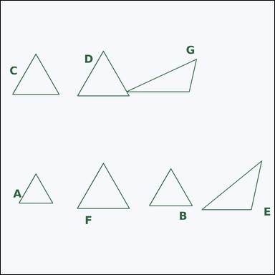 |  | task_geometry_counting_triangle | acute_triangle | The image shows several labeled triangles. How many labeled triangles are acute triangles? Return a valid JSON object with keys "evidence" and "answer" in that order. Evidence: set "evidence" to a sorted JSON array of the labels of all triangles that match the requested type. Answer: set "answer" to the count as an integer. Example JSON: {"evidence":["A","C","F"],"answer":3} | The image shows several labeled triangles. How many labeled triangles are acute triangles? Return a valid JSON object with key "answer". Answer format: set "answer" to the count as an integer. Example JSON: {"answer":3} | {"evidence": ["A", "B", "C", "D", "F"], "answer": 5} | ["A", "B", "C", "D", "F"] | integer | label_set | 146715195859828 | geometry/task_geometry_counting_triangle/images/acute_triangle/0017.png | geometry/task_geometry_counting_triangle/data/acute_triangle/0017.json
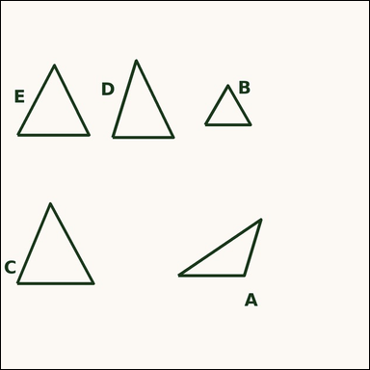 |  | task_geometry_counting_triangle | acute_triangle | Look at the image showing several labeled triangles. Determine the answer: How many labeled triangles are acute triangles? Return a valid JSON object with keys "evidence" and "answer" in that order. Evidence: set "evidence" to a sorted JSON array of the labels of all triangles that match the requested type. Answer: set "answer" to the count as an integer. Example JSON: {"evidence":["A","C","F"],"answer":3} | Look at the image showing several labeled triangles. Determine the answer: How many labeled triangles are acute triangles? Return a valid JSON object with key "answer". Answer format: set "answer" to the count as an integer. Example JSON: {"answer":3} | {"evidence": ["B", "C", "D", "E"], "answer": 4} | ["B", "C", "D", "E"] | integer | label_set | 352410036344146 | geometry/task_geometry_counting_triangle/images/acute_triangle/0000.png | geometry/task_geometry_counting_triangle/data/acute_triangle/0000.json
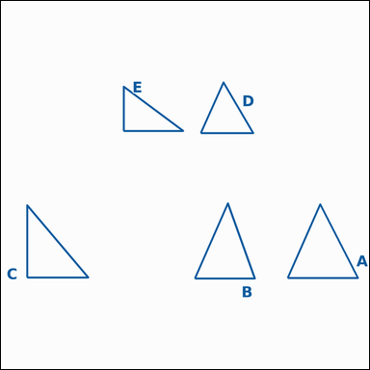 |  | task_geometry_counting_triangle | acute_triangle | Work from the image showing several labeled triangles. Determine the answer: How many labeled triangles are acute triangles? Return a valid JSON object with keys "evidence" and "answer" in that order. Evidence requirement: set "evidence" to a sorted JSON array of the labels of all triangles that match the requested type. Answer format: set "answer" to the count as an integer. Example JSON: {"evidence":["A","C","F"],"answer":3} | Work from the image showing several labeled triangles. Determine the answer: How many labeled triangles are acute triangles? Return a valid JSON object with key "answer". Answer format: set "answer" to the count as an integer. Example JSON: {"answer":3} | {"evidence": ["A", "B", "D"], "answer": 3} | ["A", "B", "D"] | integer | label_set | 399346010906908 | geometry/task_geometry_counting_triangle/images/acute_triangle/0001.png | geometry/task_geometry_counting_triangle/data/acute_triangle/0001.json
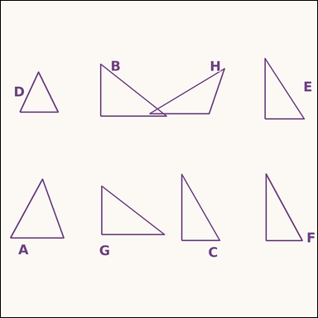 |  | task_geometry_counting_triangle | acute_triangle | Look at the image showing several labeled triangles. Task: How many labeled triangles are acute triangles? Return a valid JSON object with keys "evidence" and "answer" in that order. Evidence format: set "evidence" to a sorted JSON array of the labels of all triangles that match the requested type. Answer requirement: set "answer" to the count as an integer. Example JSON: {"evidence":["A","C","F"],"answer":3} | Look at the image showing several labeled triangles. Task: How many labeled triangles are acute triangles? Return a valid JSON object with key "answer". Answer: set "answer" to the count as an integer. Example JSON: {"answer":3} | {"evidence": ["A", "D"], "answer": 2} | ["A", "D"] | integer | label_set | 555077906973760 | geometry/task_geometry_counting_triangle/images/acute_triangle/0022.png | geometry/task_geometry_counting_triangle/data/acute_triangle/0022.json
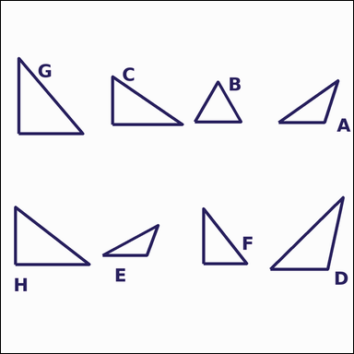 |  | task_geometry_counting_triangle | acute_triangle | Use the diagram showing several labeled triangles. Answer this question: How many labeled triangles are acute triangles? Return a valid JSON object with keys "evidence" and "answer" in that order. Evidence: set "evidence" to a sorted JSON array of the labels of all triangles that match the requested type. Answer: set "answer" to the count as an integer. Example JSON: {"evidence":["A","C","F"],"answer":3} | Use the diagram showing several labeled triangles. Answer this question: How many labeled triangles are acute triangles? Return a valid JSON object with key "answer". Answer format: set "answer" to the count as an integer. Example JSON: {"answer":3} | {"evidence": ["B"], "answer": 1} | ["B"] | integer | label_set | 647767269429046 | geometry/task_geometry_counting_triangle/images/acute_triangle/0011.png | geometry/task_geometry_counting_triangle/data/acute_triangle/0011.json
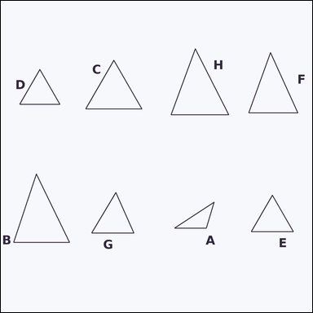 |  | task_geometry_counting_triangle | acute_triangle | The image shows several labeled triangles. Task: How many labeled triangles are acute triangles? Return a valid JSON object with keys "evidence" and "answer" in that order. Evidence rule: set "evidence" to a sorted JSON array of the labels of all triangles that match the requested type. Answer rule: set "answer" to the count as an integer. Example JSON: {"evidence":["A","C","F"],"answer":3} | The image shows several labeled triangles. Task: How many labeled triangles are acute triangles? Return a valid JSON object with key "answer". Answer: set "answer" to the count as an integer. Example JSON: {"answer":3} | {"evidence": ["B", "C", "D", "E", "F", "G", "H"], "answer": 7} | ["B", "C", "D", "E", "F", "G", "H"] | integer | label_set | 783571305975112 | geometry/task_geometry_counting_triangle/images/acute_triangle/0009.png | geometry/task_geometry_counting_triangle/data/acute_triangle/0009.json
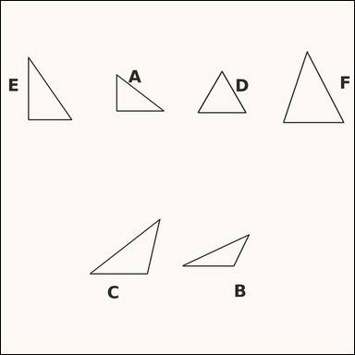 |  | task_geometry_counting_triangle | acute_triangle | The image shows several labeled triangles. Task: How many labeled triangles are acute triangles? Return a valid JSON object with keys "evidence" and "answer" in that order. Evidence rule: set "evidence" to a sorted JSON array of the labels of all triangles that match the requested type. Answer rule: set "answer" to the count as an integer. Example JSON: {"evidence":["A","C","F"],"answer":3} | The image shows several labeled triangles. Task: How many labeled triangles are acute triangles? Return a valid JSON object with key "answer". Answer format: set "answer" to the count as an integer. Example JSON: {"answer":3} | {"evidence": ["D", "F"], "answer": 2} | ["D", "F"] | integer | label_set | 808677926271376 | geometry/task_geometry_counting_triangle/images/acute_triangle/0002.png | geometry/task_geometry_counting_triangle/data/acute_triangle/0002.json
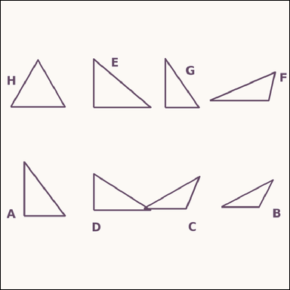 |  | task_geometry_counting_triangle | acute_triangle | Look at the image showing several labeled triangles. Answer this question: How many labeled triangles are acute triangles? Return a valid JSON object with keys "evidence" and "answer" in that order. Evidence: set "evidence" to a sorted JSON array of the labels of all triangles that match the requested type. Answer: set "answer" to the count as an integer. Example JSON: {"evidence":["A","C","F"],"answer":3} | Look at the image showing several labeled triangles. Answer this question: How many labeled triangles are acute triangles? Return a valid JSON object with key "answer". Answer: set "answer" to the count as an integer. Example JSON: {"answer":3} | {"evidence": ["H"], "answer": 1} | ["H"] | integer | label_set | 1.2183688097E+15 | geometry/task_geometry_counting_triangle/images/acute_triangle/0013.png | geometry/task_geometry_counting_triangle/data/acute_triangle/0013.json
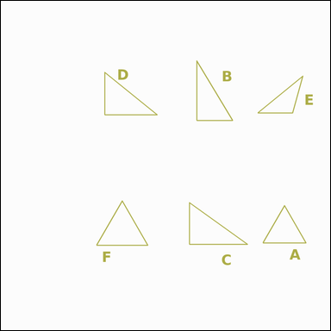 |  | task_geometry_counting_triangle | acute_triangle | You are given an image showing several labeled triangles. Question: How many labeled triangles are acute triangles? Return a valid JSON object with keys "evidence" and "answer" in that order. Evidence requirement: set "evidence" to a sorted JSON array of the labels of all triangles that match the requested type. Answer format: set "answer" to the count as an integer. Example JSON: {"evidence":["A","C","F"],"answer":3} | You are given an image showing several labeled triangles. Question: How many labeled triangles are acute triangles? Return a valid JSON object with key "answer". Answer field: set "answer" to the count as an integer. Example JSON: {"answer":3} | {"evidence": ["A", "F"], "answer": 2} | ["A", "F"] | integer | label_set | 2.0082199798E+15 | geometry/task_geometry_counting_triangle/images/acute_triangle/0003.png | geometry/task_geometry_counting_triangle/data/acute_triangle/0003.json
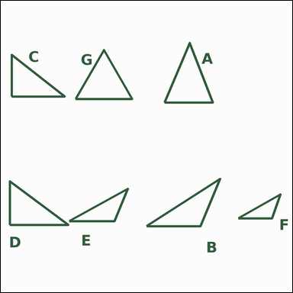 |  | task_geometry_counting_triangle | acute_triangle | You are given an image showing several labeled triangles. Determine the answer: How many labeled triangles are acute triangles? Return a valid JSON object with keys "evidence" and "answer" in that order. Evidence requirement: set "evidence" to a sorted JSON array of the labels of all triangles that match the requested type. Answer format: set "answer" to the count as an integer. Example JSON: {"evidence":["A","C","F"],"answer":3} | You are given an image showing several labeled triangles. Determine the answer: How many labeled triangles are acute triangles? Return a valid JSON object with key "answer". Answer field: set "answer" to the count as an integer. Example JSON: {"answer":3} | {"evidence": ["A", "G"], "answer": 2} | ["A", "G"] | integer | label_set | 2.2680824079E+15 | geometry/task_geometry_counting_triangle/images/acute_triangle/0015.png | geometry/task_geometry_counting_triangle/data/acute_triangle/0015.json
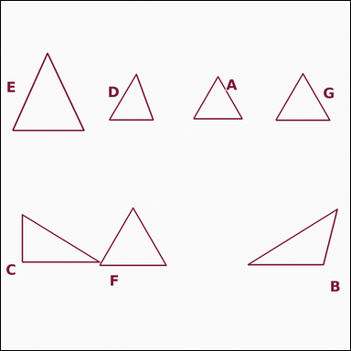 |  | task_geometry_counting_triangle | acute_triangle | Look at the image showing several labeled triangles. Determine the answer: How many labeled triangles are acute triangles? Return a valid JSON object with keys "evidence" and "answer" in that order. Evidence: set "evidence" to a sorted JSON array of the labels of all triangles that match the requested type. Answer: set "answer" to the count as an integer. Example JSON: {"evidence":["A","C","F"],"answer":3} | Look at the image showing several labeled triangles. Determine the answer: How many labeled triangles are acute triangles? Return a valid JSON object with key "answer". Answer rule: set "answer" to the count as an integer. Example JSON: {"answer":3} | {"evidence": ["A", "D", "E", "F", "G"], "answer": 5} | ["A", "D", "E", "F", "G"] | integer | label_set | 2.4006473114E+15 | geometry/task_geometry_counting_triangle/images/acute_triangle/0012.png | geometry/task_geometry_counting_triangle/data/acute_triangle/0012.json
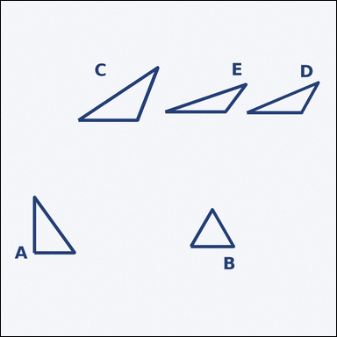 |  | task_geometry_counting_triangle | acute_triangle | The image shows several labeled triangles. Question: How many labeled triangles are acute triangles? Return a valid JSON object with keys "evidence" and "answer" in that order. Evidence: set "evidence" to a sorted JSON array of the labels of all triangles that match the requested type. Answer: set "answer" to the count as an integer. Example JSON: {"evidence":["A","C","F"],"answer":3} | The image shows several labeled triangles. Question: How many labeled triangles are acute triangles? Return a valid JSON object with key "answer". Answer field: set "answer" to the count as an integer. Example JSON: {"answer":3} | {"evidence": ["B"], "answer": 1} | ["B"] | integer | label_set | 3.5218000077E+15 | geometry/task_geometry_counting_triangle/images/acute_triangle/0019.png | geometry/task_geometry_counting_triangle/data/acute_triangle/0019.json
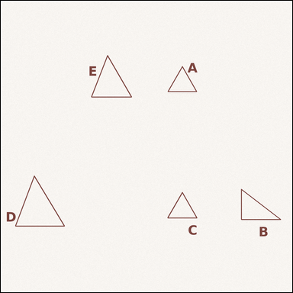 |  | task_geometry_counting_triangle | acute_triangle | The image shows several labeled triangles. How many labeled triangles are acute triangles? Return a valid JSON object with keys "evidence" and "answer" in that order. Evidence field: set "evidence" to a sorted JSON array of the labels of all triangles that match the requested type. Answer field: set "answer" to the count as an integer. Example JSON: {"evidence":["A","C","F"],"answer":3} | The image shows several labeled triangles. How many labeled triangles are acute triangles? Return a valid JSON object with key "answer". Answer field: set "answer" to the count as an integer. Example JSON: {"answer":3} | {"evidence": ["A", "C", "D", "E"], "answer": 4} | ["A", "C", "D", "E"] | integer | label_set | 3.8811444418E+15 | geometry/task_geometry_counting_triangle/images/acute_triangle/0018.png | geometry/task_geometry_counting_triangle/data/acute_triangle/0018.json
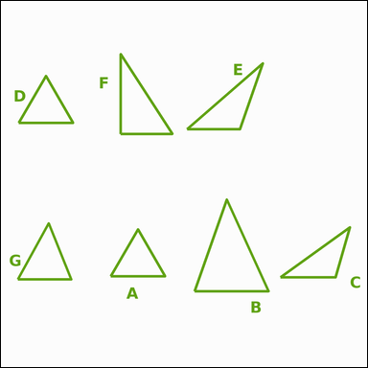 |  | task_geometry_counting_triangle | acute_triangle | Work from the image showing several labeled triangles. Determine the answer: How many labeled triangles are acute triangles? Return a valid JSON object with keys "evidence" and "answer" in that order. Evidence field: set "evidence" to a sorted JSON array of the labels of all triangles that match the requested type. Answer field: set "answer" to the count as an integer. Example JSON: {"evidence":["A","C","F"],"answer":3} | Work from the image showing several labeled triangles. Determine the answer: How many labeled triangles are acute triangles? Return a valid JSON object with key "answer". Answer format: set "answer" to the count as an integer. Example JSON: {"answer":3} | {"evidence": ["A", "B", "D", "G"], "answer": 4} | ["A", "B", "D", "G"] | integer | label_set | 4.019509525E+15 | geometry/task_geometry_counting_triangle/images/acute_triangle/0023.png | geometry/task_geometry_counting_triangle/data/acute_triangle/0023.json
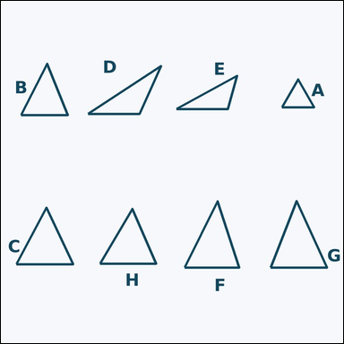 |  | task_geometry_counting_triangle | acute_triangle | The image shows several labeled triangles. How many labeled triangles are acute triangles? Return a valid JSON object with keys "evidence" and "answer" in that order. Evidence format: set "evidence" to a sorted JSON array of the labels of all triangles that match the requested type. Answer requirement: set "answer" to the count as an integer. Example JSON: {"evidence":["A","C","F"],"answer":3} | The image shows several labeled triangles. How many labeled triangles are acute triangles? Return a valid JSON object with key "answer". Answer rule: set "answer" to the count as an integer. Example JSON: {"answer":3} | {"evidence": ["A", "B", "C", "F", "G", "H"], "answer": 6} | ["A", "B", "C", "F", "G", "H"] | integer | label_set | 4.3906476237E+15 | geometry/task_geometry_counting_triangle/images/acute_triangle/0014.png | geometry/task_geometry_counting_triangle/data/acute_triangle/0014.json
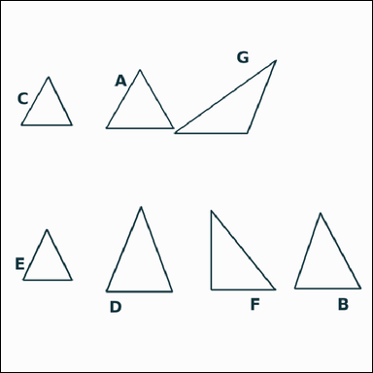 |  | task_geometry_counting_triangle | acute_triangle | Look at the image showing several labeled triangles. How many labeled triangles are acute triangles? Return a valid JSON object with keys "evidence" and "answer" in that order. Evidence rule: set "evidence" to a sorted JSON array of the labels of all triangles that match the requested type. Answer rule: set "answer" to the count as an integer. Example JSON: {"evidence":["A","C","F"],"answer":3} | Look at the image showing several labeled triangles. How many labeled triangles are acute triangles? Return a valid JSON object with key "answer". Answer format: set "answer" to the count as an integer. Example JSON: {"answer":3} | {"evidence": ["A", "B", "C", "D", "E"], "answer": 5} | ["A", "B", "C", "D", "E"] | integer | label_set | 4.396675797E+15 | geometry/task_geometry_counting_triangle/images/acute_triangle/0020.png | geometry/task_geometry_counting_triangle/data/acute_triangle/0020.json
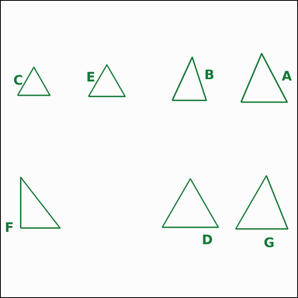 |  | task_geometry_counting_triangle | acute_triangle | Look at the image showing several labeled triangles. Question: How many labeled triangles are acute triangles? Return a valid JSON object with keys "evidence" and "answer" in that order. Evidence requirement: set "evidence" to a sorted JSON array of the labels of all triangles that match the requested type. Answer format: set "answer" to the count as an integer. Example JSON: {"evidence":["A","C","F"],"answer":3} | Look at the image showing several labeled triangles. Question: How many labeled triangles are acute triangles? Return a valid JSON object with key "answer". Answer rule: set "answer" to the count as an integer. Example JSON: {"answer":3} | {"evidence": ["A", "B", "C", "D", "E", "G"], "answer": 6} | ["A", "B", "C", "D", "E", "G"] | integer | label_set | 4.407190738E+15 | geometry/task_geometry_counting_triangle/images/acute_triangle/0005.png | geometry/task_geometry_counting_triangle/data/acute_triangle/0005.json
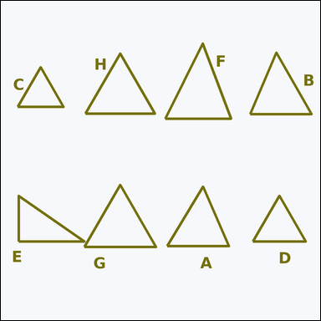 |  | task_geometry_counting_triangle | acute_triangle | The image shows several labeled triangles. How many labeled triangles are acute triangles? Return a valid JSON object with keys "evidence" and "answer" in that order. Evidence rule: set "evidence" to a sorted JSON array of the labels of all triangles that match the requested type. Answer rule: set "answer" to the count as an integer. Example JSON: {"evidence":["A","C","F"],"answer":3} | The image shows several labeled triangles. How many labeled triangles are acute triangles? Return a valid JSON object with key "answer". Answer rule: set "answer" to the count as an integer. Example JSON: {"answer":3} | {"evidence": ["A", "B", "C", "D", "F", "G", "H"], "answer": 7} | ["A", "B", "C", "D", "F", "G", "H"] | integer | label_set | 4.4941984964E+15 | geometry/task_geometry_counting_triangle/images/acute_triangle/0010.png | geometry/task_geometry_counting_triangle/data/acute_triangle/0010.json
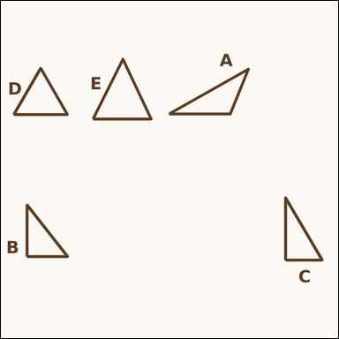 |  | task_geometry_counting_triangle | acute_triangle | You are given an image showing several labeled triangles. Determine the answer: How many labeled triangles are acute triangles? Return a valid JSON object with keys "evidence" and "answer" in that order. Evidence requirement: set "evidence" to a sorted JSON array of the labels of all triangles that match the requested type. Answer format: set "answer" to the count as an integer. Example JSON: {"evidence":["A","C","F"],"answer":3} | You are given an image showing several labeled triangles. Determine the answer: How many labeled triangles are acute triangles? Return a valid JSON object with key "answer". Answer field: set "answer" to the count as an integer. Example JSON: {"answer":3} | {"evidence": ["D", "E"], "answer": 2} | ["D", "E"] | integer | label_set | 5.9373232866E+15 | geometry/task_geometry_counting_triangle/images/acute_triangle/0008.png | geometry/task_geometry_counting_triangle/data/acute_triangle/0008.json
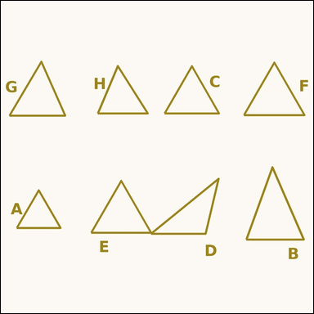 |  | task_geometry_counting_triangle | acute_triangle | The image shows several labeled triangles. Task: How many labeled triangles are acute triangles? Return a valid JSON object with keys "evidence" and "answer" in that order. Evidence rule: set "evidence" to a sorted JSON array of the labels of all triangles that match the requested type. Answer rule: set "answer" to the count as an integer. Example JSON: {"evidence":["A","C","F"],"answer":3} | The image shows several labeled triangles. Task: How many labeled triangles are acute triangles? Return a valid JSON object with key "answer". Answer requirement: set "answer" to the count as an integer. Example JSON: {"answer":3} | {"evidence": ["A", "B", "C", "E", "F", "G", "H"], "answer": 7} | ["A", "B", "C", "E", "F", "G", "H"] | integer | label_set | 6.076629234E+15 | geometry/task_geometry_counting_triangle/images/acute_triangle/0016.png | geometry/task_geometry_counting_triangle/data/acute_triangle/0016.json
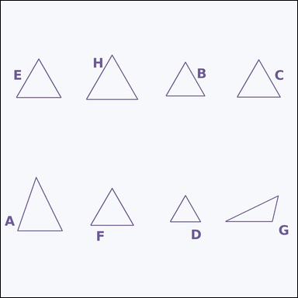 |  | task_geometry_counting_triangle | acute_triangle | Work from the image showing several labeled triangles. Determine the answer: How many labeled triangles are acute triangles? Return a valid JSON object with keys "evidence" and "answer" in that order. Evidence field: set "evidence" to a sorted JSON array of the labels of all triangles that match the requested type. Answer field: set "answer" to the count as an integer. Example JSON: {"evidence":["A","C","F"],"answer":3} | Work from the image showing several labeled triangles. Determine the answer: How many labeled triangles are acute triangles? Return a valid JSON object with key "answer". Answer requirement: set "answer" to the count as an integer. Example JSON: {"answer":3} | {"evidence": ["A", "B", "C", "D", "E", "F", "H"], "answer": 7} | ["A", "B", "C", "D", "E", "F", "H"] | integer | label_set | 7.1386657062E+15 | geometry/task_geometry_counting_triangle/images/acute_triangle/0024.png | geometry/task_geometry_counting_triangle/data/acute_triangle/0024.json
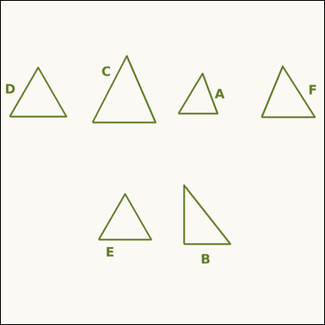 |  | task_geometry_counting_triangle | acute_triangle | The image shows several labeled triangles. Task: How many labeled triangles are acute triangles? Return a valid JSON object with keys "evidence" and "answer" in that order. Evidence: set "evidence" to a sorted JSON array of the labels of all triangles that match the requested type. Answer: set "answer" to the count as an integer. Example JSON: {"evidence":["A","C","F"],"answer":3} | The image shows several labeled triangles. Task: How many labeled triangles are acute triangles? Return a valid JSON object with key "answer". Answer format: set "answer" to the count as an integer. Example JSON: {"answer":3} | {"evidence": ["A", "C", "D", "E", "F"], "answer": 5} | ["A", "C", "D", "E", "F"] | integer | label_set | 7.3629031723E+15 | geometry/task_geometry_counting_triangle/images/acute_triangle/0006.png | geometry/task_geometry_counting_triangle/data/acute_triangle/0006.json
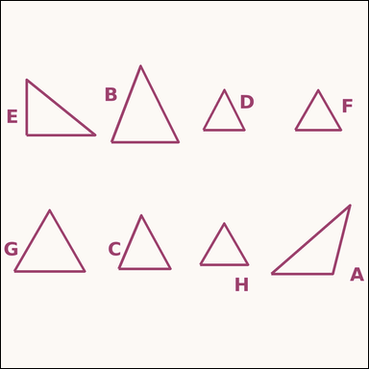 |  | task_geometry_counting_triangle | acute_triangle | Use the diagram showing several labeled triangles. Answer this question: How many labeled triangles are acute triangles? Return a valid JSON object with keys "evidence" and "answer" in that order. Evidence field: set "evidence" to a sorted JSON array of the labels of all triangles that match the requested type. Answer field: set "answer" to the count as an integer. Example JSON: {"evidence":["A","C","F"],"answer":3} | Use the diagram showing several labeled triangles. Answer this question: How many labeled triangles are acute triangles? Return a valid JSON object with key "answer". Answer: set "answer" to the count as an integer. Example JSON: {"answer":3} | {"evidence": ["B", "C", "D", "F", "G", "H"], "answer": 6} | ["B", "C", "D", "F", "G", "H"] | integer | label_set | 8.5635350432E+15 | geometry/task_geometry_counting_triangle/images/acute_triangle/0021.png | geometry/task_geometry_counting_triangle/data/acute_triangle/0021.json
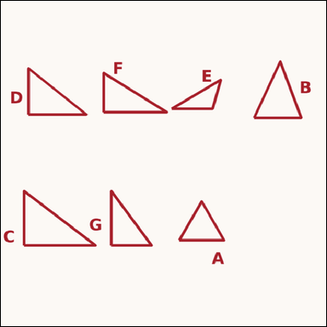 |  | task_geometry_counting_triangle | acute_triangle | Use the diagram showing several labeled triangles. Task: How many labeled triangles are acute triangles? Return a valid JSON object with keys "evidence" and "answer" in that order. Evidence field: set "evidence" to a sorted JSON array of the labels of all triangles that match the requested type. Answer field: set "answer" to the count as an integer. Example JSON: {"evidence":["A","C","F"],"answer":3} | Use the diagram showing several labeled triangles. Task: How many labeled triangles are acute triangles? Return a valid JSON object with key "answer". Answer requirement: set "answer" to the count as an integer. Example JSON: {"answer":3} | {"evidence": ["A", "B"], "answer": 2} | ["A", "B"] | integer | label_set | 8.5792652978E+15 | geometry/task_geometry_counting_triangle/images/acute_triangle/0004.png | geometry/task_geometry_counting_triangle/data/acute_triangle/0004.json
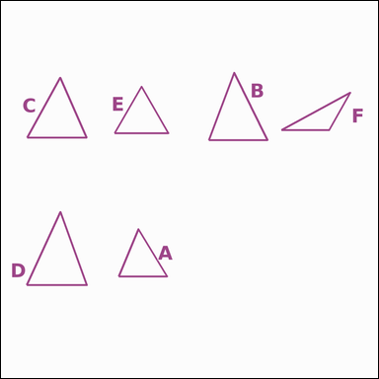 |  | task_geometry_counting_triangle | acute_triangle | You are given an image showing several labeled triangles. Answer this question: How many labeled triangles are acute triangles? Return a valid JSON object with keys "evidence" and "answer" in that order. Evidence rule: set "evidence" to a sorted JSON array of the labels of all triangles that match the requested type. Answer rule: set "answer" to the count as an integer. Example JSON: {"evidence":["A","C","F"],"answer":3} | You are given an image showing several labeled triangles. Answer this question: How many labeled triangles are acute triangles? Return a valid JSON object with key "answer". Answer rule: set "answer" to the count as an integer. Example JSON: {"answer":3} | {"evidence": ["A", "B", "C", "D", "E"], "answer": 5} | ["A", "B", "C", "D", "E"] | integer | label_set | 8.8831877813E+15 | geometry/task_geometry_counting_triangle/images/acute_triangle/0007.png | geometry/task_geometry_counting_triangle/data/acute_triangle/0007.json

equilateral_triangle
image | evidence_image | task | task_variant | prompt | prompt_answer_only | answer | answer_evidence | answer_type | evidence_type | instance_seed | image_path | data_path
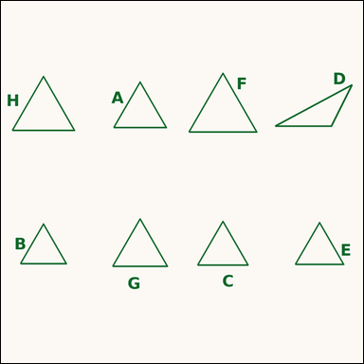 |  | task_geometry_counting_triangle | equilateral_triangle | Use the diagram showing several labeled triangles. How many labeled triangles are equilateral triangles? Return a valid JSON object with keys "evidence" and "answer" in that order. Evidence format: set "evidence" to a sorted JSON array of the labels of all triangles that match the requested type. Answer requirement: set "answer" to the count as an integer. Example JSON: {"evidence":["A","C","F"],"answer":3} | Use the diagram showing several labeled triangles. How many labeled triangles are equilateral triangles? Return a valid JSON object with key "answer". Answer rule: set "answer" to the count as an integer. Example JSON: {"answer":3} | {"evidence": ["A", "B", "C", "E", "F", "G", "H"], "answer": 7} | ["A", "B", "C", "E", "F", "G", "H"] | integer | label_set | 429709002429522 | geometry/task_geometry_counting_triangle/images/equilateral_triangle/0022.png | geometry/task_geometry_counting_triangle/data/equilateral_triangle/0022.json
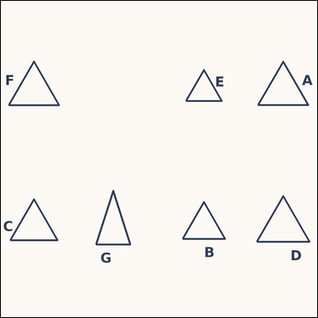 |  | task_geometry_counting_triangle | equilateral_triangle | The image shows several labeled triangles. Question: How many labeled triangles are equilateral triangles? Return a valid JSON object with keys "evidence" and "answer" in that order. Evidence field: set "evidence" to a sorted JSON array of the labels of all triangles that match the requested type. Answer field: set "answer" to the count as an integer. Example JSON: {"evidence":["A","C","F"],"answer":3} | The image shows several labeled triangles. Question: How many labeled triangles are equilateral triangles? Return a valid JSON object with key "answer". Answer field: set "answer" to the count as an integer. Example JSON: {"answer":3} | {"evidence": ["A", "B", "C", "D", "E", "F"], "answer": 6} | ["A", "B", "C", "D", "E", "F"] | integer | label_set | 804588981895590 | geometry/task_geometry_counting_triangle/images/equilateral_triangle/0023.png | geometry/task_geometry_counting_triangle/data/equilateral_triangle/0023.json
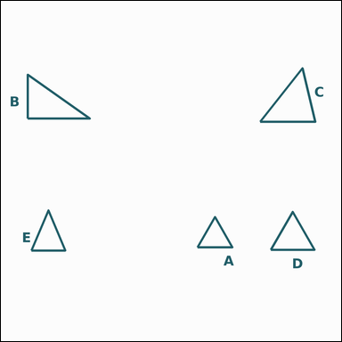 |  | task_geometry_counting_triangle | equilateral_triangle | You are given an image showing several labeled triangles. Question: How many labeled triangles are equilateral triangles? Return a valid JSON object with keys "evidence" and "answer" in that order. Evidence format: set "evidence" to a sorted JSON array of the labels of all triangles that match the requested type. Answer requirement: set "answer" to the count as an integer. Example JSON: {"evidence":["A","C","F"],"answer":3} | You are given an image showing several labeled triangles. Question: How many labeled triangles are equilateral triangles? Return a valid JSON object with key "answer". Answer format: set "answer" to the count as an integer. Example JSON: {"answer":3} | {"evidence": ["A", "D"], "answer": 2} | ["A", "D"] | integer | label_set | 951676865468112 | geometry/task_geometry_counting_triangle/images/equilateral_triangle/0014.png | geometry/task_geometry_counting_triangle/data/equilateral_triangle/0014.json
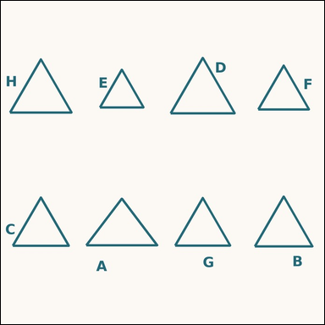 |  | task_geometry_counting_triangle | equilateral_triangle | Use the diagram showing several labeled triangles. Task: How many labeled triangles are equilateral triangles? Return a valid JSON object with keys "evidence" and "answer" in that order. Evidence format: set "evidence" to a sorted JSON array of the labels of all triangles that match the requested type. Answer requirement: set "answer" to the count as an integer. Example JSON: {"evidence":["A","C","F"],"answer":3} | Use the diagram showing several labeled triangles. Task: How many labeled triangles are equilateral triangles? Return a valid JSON object with key "answer". Answer: set "answer" to the count as an integer. Example JSON: {"answer":3} | {"evidence": ["B", "C", "D", "E", "F", "G", "H"], "answer": 7} | ["B", "C", "D", "E", "F", "G", "H"] | integer | label_set | 967874983167528 | geometry/task_geometry_counting_triangle/images/equilateral_triangle/0010.png | geometry/task_geometry_counting_triangle/data/equilateral_triangle/0010.json
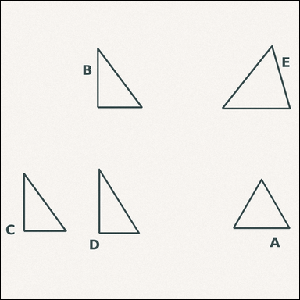 |  | task_geometry_counting_triangle | equilateral_triangle | The image shows several labeled triangles. Task: How many labeled triangles are equilateral triangles? Return a valid JSON object with keys "evidence" and "answer" in that order. Evidence field: set "evidence" to a sorted JSON array of the labels of all triangles that match the requested type. Answer field: set "answer" to the count as an integer. Example JSON: {"evidence":["A","C","F"],"answer":3} | The image shows several labeled triangles. Task: How many labeled triangles are equilateral triangles? Return a valid JSON object with key "answer". Answer format: set "answer" to the count as an integer. Example JSON: {"answer":3} | {"evidence": ["A"], "answer": 1} | ["A"] | integer | label_set | 1.1213100495E+15 | geometry/task_geometry_counting_triangle/images/equilateral_triangle/0000.png | geometry/task_geometry_counting_triangle/data/equilateral_triangle/0000.json
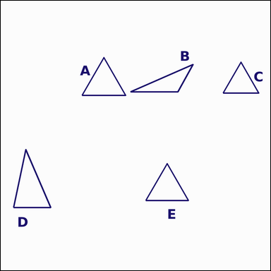 |  | task_geometry_counting_triangle | equilateral_triangle | Look at the image showing several labeled triangles. Question: How many labeled triangles are equilateral triangles? Return a valid JSON object with keys "evidence" and "answer" in that order. Evidence field: set "evidence" to a sorted JSON array of the labels of all triangles that match the requested type. Answer field: set "answer" to the count as an integer. Example JSON: {"evidence":["A","C","F"],"answer":3} | Look at the image showing several labeled triangles. Question: How many labeled triangles are equilateral triangles? Return a valid JSON object with key "answer". Answer rule: set "answer" to the count as an integer. Example JSON: {"answer":3} | {"evidence": ["A", "C", "E"], "answer": 3} | ["A", "C", "E"] | integer | label_set | 1.2455590674E+15 | geometry/task_geometry_counting_triangle/images/equilateral_triangle/0001.png | geometry/task_geometry_counting_triangle/data/equilateral_triangle/0001.json
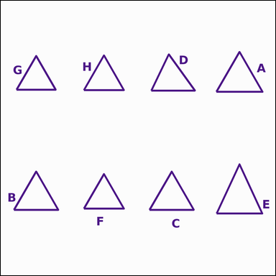 |  | task_geometry_counting_triangle | equilateral_triangle | Work from the image showing several labeled triangles. Determine the answer: How many labeled triangles are equilateral triangles? Return a valid JSON object with keys "evidence" and "answer" in that order. Evidence rule: set "evidence" to a sorted JSON array of the labels of all triangles that match the requested type. Answer rule: set "answer" to the count as an integer. Example JSON: {"evidence":["A","C","F"],"answer":3} | Work from the image showing several labeled triangles. Determine the answer: How many labeled triangles are equilateral triangles? Return a valid JSON object with key "answer". Answer requirement: set "answer" to the count as an integer. Example JSON: {"answer":3} | {"evidence": ["A", "B", "C", "F", "G", "H"], "answer": 6} | ["A", "B", "C", "F", "G", "H"] | integer | label_set | 1.2709765348E+15 | geometry/task_geometry_counting_triangle/images/equilateral_triangle/0013.png | geometry/task_geometry_counting_triangle/data/equilateral_triangle/0013.json
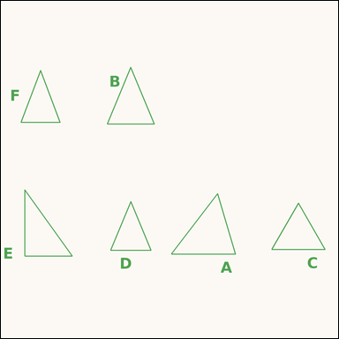 |  | task_geometry_counting_triangle | equilateral_triangle | Look at the image showing several labeled triangles. Answer this question: How many labeled triangles are equilateral triangles? Return a valid JSON object with keys "evidence" and "answer" in that order. Evidence format: set "evidence" to a sorted JSON array of the labels of all triangles that match the requested type. Answer requirement: set "answer" to the count as an integer. Example JSON: {"evidence":["A","C","F"],"answer":3} | Look at the image showing several labeled triangles. Answer this question: How many labeled triangles are equilateral triangles? Return a valid JSON object with key "answer". Answer field: set "answer" to the count as an integer. Example JSON: {"answer":3} | {"evidence": ["C"], "answer": 1} | ["C"] | integer | label_set | 1.8999334024E+15 | geometry/task_geometry_counting_triangle/images/equilateral_triangle/0016.png | geometry/task_geometry_counting_triangle/data/equilateral_triangle/0016.json
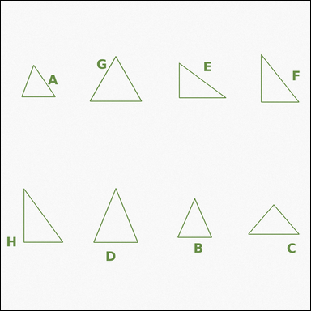 |  | task_geometry_counting_triangle | equilateral_triangle | The image shows several labeled triangles. Answer this question: How many labeled triangles are equilateral triangles? Return a valid JSON object with keys "evidence" and "answer" in that order. Evidence rule: set "evidence" to a sorted JSON array of the labels of all triangles that match the requested type. Answer rule: set "answer" to the count as an integer. Example JSON: {"evidence":["A","C","F"],"answer":3} | The image shows several labeled triangles. Answer this question: How many labeled triangles are equilateral triangles? Return a valid JSON object with key "answer". Answer requirement: set "answer" to the count as an integer. Example JSON: {"answer":3} | {"evidence": ["G"], "answer": 1} | ["G"] | integer | label_set | 1.953845039E+15 | geometry/task_geometry_counting_triangle/images/equilateral_triangle/0018.png | geometry/task_geometry_counting_triangle/data/equilateral_triangle/0018.json
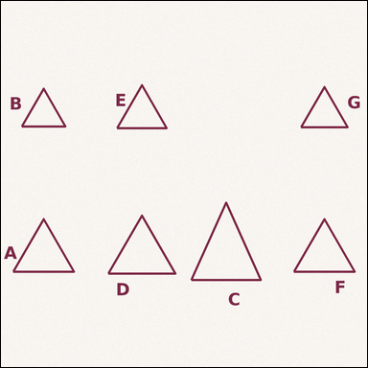 |  | task_geometry_counting_triangle | equilateral_triangle | Look at the image showing several labeled triangles. Answer this question: How many labeled triangles are equilateral triangles? Return a valid JSON object with keys "evidence" and "answer" in that order. Evidence format: set "evidence" to a sorted JSON array of the labels of all triangles that match the requested type. Answer requirement: set "answer" to the count as an integer. Example JSON: {"evidence":["A","C","F"],"answer":3} | Look at the image showing several labeled triangles. Answer this question: How many labeled triangles are equilateral triangles? Return a valid JSON object with key "answer". Answer field: set "answer" to the count as an integer. Example JSON: {"answer":3} | {"evidence": ["A", "B", "D", "E", "F", "G"], "answer": 6} | ["A", "B", "D", "E", "F", "G"] | integer | label_set | 2.6122601835E+15 | geometry/task_geometry_counting_triangle/images/equilateral_triangle/0008.png | geometry/task_geometry_counting_triangle/data/equilateral_triangle/0008.json
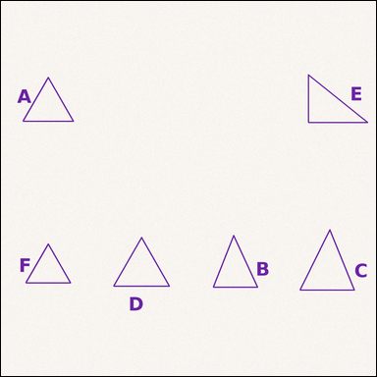 |  | task_geometry_counting_triangle | equilateral_triangle | You are given an image showing several labeled triangles. How many labeled triangles are equilateral triangles? Return a valid JSON object with keys "evidence" and "answer" in that order. Evidence field: set "evidence" to a sorted JSON array of the labels of all triangles that match the requested type. Answer field: set "answer" to the count as an integer. Example JSON: {"evidence":["A","C","F"],"answer":3} | You are given an image showing several labeled triangles. How many labeled triangles are equilateral triangles? Return a valid JSON object with key "answer". Answer field: set "answer" to the count as an integer. Example JSON: {"answer":3} | {"evidence": ["A", "D", "F"], "answer": 3} | ["A", "D", "F"] | integer | label_set | 3.1191819004E+15 | geometry/task_geometry_counting_triangle/images/equilateral_triangle/0004.png | geometry/task_geometry_counting_triangle/data/equilateral_triangle/0004.json
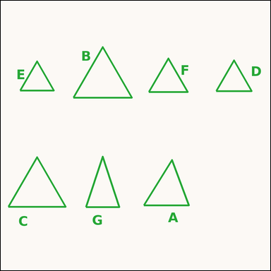 |  | task_geometry_counting_triangle | equilateral_triangle | Work from the image showing several labeled triangles. How many labeled triangles are equilateral triangles? Return a valid JSON object with keys "evidence" and "answer" in that order. Evidence field: set "evidence" to a sorted JSON array of the labels of all triangles that match the requested type. Answer field: set "answer" to the count as an integer. Example JSON: {"evidence":["A","C","F"],"answer":3} | Work from the image showing several labeled triangles. How many labeled triangles are equilateral triangles? Return a valid JSON object with key "answer". Answer requirement: set "answer" to the count as an integer. Example JSON: {"answer":3} | {"evidence": ["B", "C", "D", "E", "F"], "answer": 5} | ["B", "C", "D", "E", "F"] | integer | label_set | 3.3032480601E+15 | geometry/task_geometry_counting_triangle/images/equilateral_triangle/0021.png | geometry/task_geometry_counting_triangle/data/equilateral_triangle/0021.json
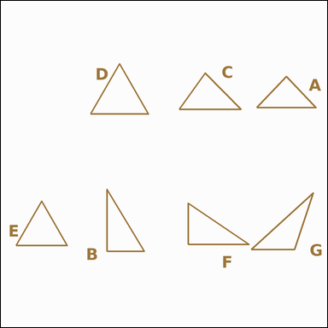 |  | task_geometry_counting_triangle | equilateral_triangle | Work from the image showing several labeled triangles. Question: How many labeled triangles are equilateral triangles? Return a valid JSON object with keys "evidence" and "answer" in that order. Evidence rule: set "evidence" to a sorted JSON array of the labels of all triangles that match the requested type. Answer rule: set "answer" to the count as an integer. Example JSON: {"evidence":["A","C","F"],"answer":3} | Work from the image showing several labeled triangles. Question: How many labeled triangles are equilateral triangles? Return a valid JSON object with key "answer". Answer requirement: set "answer" to the count as an integer. Example JSON: {"answer":3} | {"evidence": ["D", "E"], "answer": 2} | ["D", "E"] | integer | label_set | 4.0377211695E+15 | geometry/task_geometry_counting_triangle/images/equilateral_triangle/0017.png | geometry/task_geometry_counting_triangle/data/equilateral_triangle/0017.json
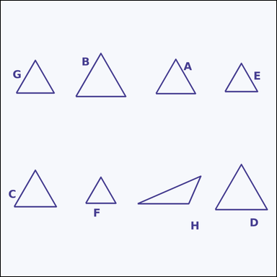 |  | task_geometry_counting_triangle | equilateral_triangle | Work from the image showing several labeled triangles. Task: How many labeled triangles are equilateral triangles? Return a valid JSON object with keys "evidence" and "answer" in that order. Evidence field: set "evidence" to a sorted JSON array of the labels of all triangles that match the requested type. Answer field: set "answer" to the count as an integer. Example JSON: {"evidence":["A","C","F"],"answer":3} | Work from the image showing several labeled triangles. Task: How many labeled triangles are equilateral triangles? Return a valid JSON object with key "answer". Answer format: set "answer" to the count as an integer. Example JSON: {"answer":3} | {"evidence": ["A", "B", "C", "D", "E", "F", "G"], "answer": 7} | ["A", "B", "C", "D", "E", "F", "G"] | integer | label_set | 4.1315721724E+15 | geometry/task_geometry_counting_triangle/images/equilateral_triangle/0012.png | geometry/task_geometry_counting_triangle/data/equilateral_triangle/0012.json
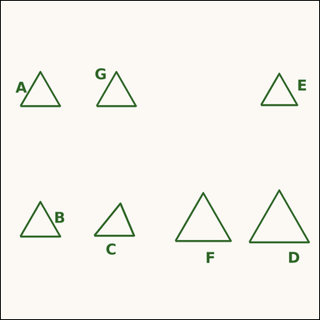 |  | task_geometry_counting_triangle | equilateral_triangle | The image shows several labeled triangles. How many labeled triangles are equilateral triangles? Return a valid JSON object with keys "evidence" and "answer" in that order. Evidence requirement: set "evidence" to a sorted JSON array of the labels of all triangles that match the requested type. Answer format: set "answer" to the count as an integer. Example JSON: {"evidence":["A","C","F"],"answer":3} | The image shows several labeled triangles. How many labeled triangles are equilateral triangles? Return a valid JSON object with key "answer". Answer field: set "answer" to the count as an integer. Example JSON: {"answer":3} | {"evidence": ["A", "B", "D", "E", "F", "G"], "answer": 6} | ["A", "B", "D", "E", "F", "G"] | integer | label_set | 4.531614231E+15 | geometry/task_geometry_counting_triangle/images/equilateral_triangle/0015.png | geometry/task_geometry_counting_triangle/data/equilateral_triangle/0015.json
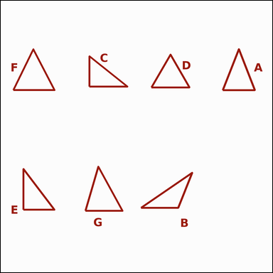 |  | task_geometry_counting_triangle | equilateral_triangle | Use the diagram showing several labeled triangles. How many labeled triangles are equilateral triangles? Return a valid JSON object with keys "evidence" and "answer" in that order. Evidence: set "evidence" to a sorted JSON array of the labels of all triangles that match the requested type. Answer: set "answer" to the count as an integer. Example JSON: {"evidence":["A","C","F"],"answer":3} | Use the diagram showing several labeled triangles. How many labeled triangles are equilateral triangles? Return a valid JSON object with key "answer". Answer: set "answer" to the count as an integer. Example JSON: {"answer":3} | {"evidence": ["D"], "answer": 1} | ["D"] | integer | label_set | 5.4497350134E+15 | geometry/task_geometry_counting_triangle/images/equilateral_triangle/0009.png | geometry/task_geometry_counting_triangle/data/equilateral_triangle/0009.json
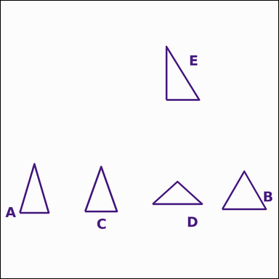 |  | task_geometry_counting_triangle | equilateral_triangle | You are given an image showing several labeled triangles. Question: How many labeled triangles are equilateral triangles? Return a valid JSON object with keys "evidence" and "answer" in that order. Evidence format: set "evidence" to a sorted JSON array of the labels of all triangles that match the requested type. Answer requirement: set "answer" to the count as an integer. Example JSON: {"evidence":["A","C","F"],"answer":3} | You are given an image showing several labeled triangles. Question: How many labeled triangles are equilateral triangles? Return a valid JSON object with key "answer". Answer requirement: set "answer" to the count as an integer. Example JSON: {"answer":3} | {"evidence": ["B"], "answer": 1} | ["B"] | integer | label_set | 6.2532885877E+15 | geometry/task_geometry_counting_triangle/images/equilateral_triangle/0002.png | geometry/task_geometry_counting_triangle/data/equilateral_triangle/0002.json
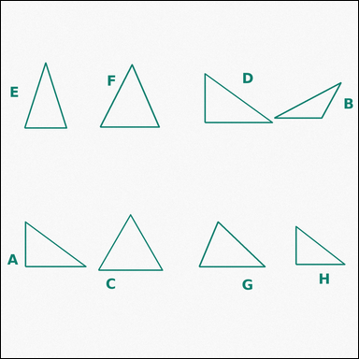 |  | task_geometry_counting_triangle | equilateral_triangle | Use the diagram showing several labeled triangles. Answer this question: How many labeled triangles are equilateral triangles? Return a valid JSON object with keys "evidence" and "answer" in that order. Evidence rule: set "evidence" to a sorted JSON array of the labels of all triangles that match the requested type. Answer rule: set "answer" to the count as an integer. Example JSON: {"evidence":["A","C","F"],"answer":3} | Use the diagram showing several labeled triangles. Answer this question: How many labeled triangles are equilateral triangles? Return a valid JSON object with key "answer". Answer format: set "answer" to the count as an integer. Example JSON: {"answer":3} | {"evidence": ["C"], "answer": 1} | ["C"] | integer | label_set | 6.7668734448E+15 | geometry/task_geometry_counting_triangle/images/equilateral_triangle/0003.png | geometry/task_geometry_counting_triangle/data/equilateral_triangle/0003.json
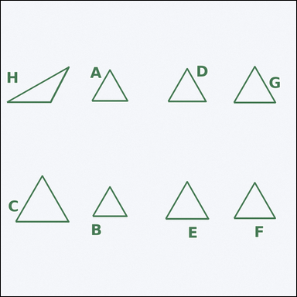 |  | task_geometry_counting_triangle | equilateral_triangle | You are given an image showing several labeled triangles. Task: How many labeled triangles are equilateral triangles? Return a valid JSON object with keys "evidence" and "answer" in that order. Evidence requirement: set "evidence" to a sorted JSON array of the labels of all triangles that match the requested type. Answer format: set "answer" to the count as an integer. Example JSON: {"evidence":["A","C","F"],"answer":3} | You are given an image showing several labeled triangles. Task: How many labeled triangles are equilateral triangles? Return a valid JSON object with key "answer". Answer requirement: set "answer" to the count as an integer. Example JSON: {"answer":3} | {"evidence": ["A", "B", "C", "D", "E", "F", "G"], "answer": 7} | ["A", "B", "C", "D", "E", "F", "G"] | integer | label_set | 6.8655394465E+15 | geometry/task_geometry_counting_triangle/images/equilateral_triangle/0011.png | geometry/task_geometry_counting_triangle/data/equilateral_triangle/0011.json
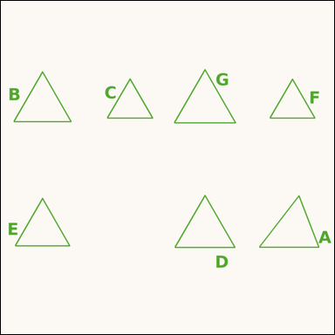 |  | task_geometry_counting_triangle | equilateral_triangle | The image shows several labeled triangles. Determine the answer: How many labeled triangles are equilateral triangles? Return a valid JSON object with keys "evidence" and "answer" in that order. Evidence format: set "evidence" to a sorted JSON array of the labels of all triangles that match the requested type. Answer requirement: set "answer" to the count as an integer. Example JSON: {"evidence":["A","C","F"],"answer":3} | The image shows several labeled triangles. Determine the answer: How many labeled triangles are equilateral triangles? Return a valid JSON object with key "answer". Answer rule: set "answer" to the count as an integer. Example JSON: {"answer":3} | {"evidence": ["B", "C", "D", "E", "F", "G"], "answer": 6} | ["B", "C", "D", "E", "F", "G"] | integer | label_set | 7.1183606639E+15 | geometry/task_geometry_counting_triangle/images/equilateral_triangle/0006.png | geometry/task_geometry_counting_triangle/data/equilateral_triangle/0006.json
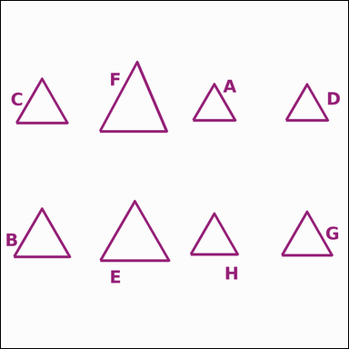 |  | task_geometry_counting_triangle | equilateral_triangle | Use the diagram showing several labeled triangles. How many labeled triangles are equilateral triangles? Return a valid JSON object with keys "evidence" and "answer" in that order. Evidence rule: set "evidence" to a sorted JSON array of the labels of all triangles that match the requested type. Answer rule: set "answer" to the count as an integer. Example JSON: {"evidence":["A","C","F"],"answer":3} | Use the diagram showing several labeled triangles. How many labeled triangles are equilateral triangles? Return a valid JSON object with key "answer". Answer field: set "answer" to the count as an integer. Example JSON: {"answer":3} | {"evidence": ["A", "B", "C", "D", "E", "G", "H"], "answer": 7} | ["A", "B", "C", "D", "E", "G", "H"] | integer | label_set | 7.1522192604E+15 | geometry/task_geometry_counting_triangle/images/equilateral_triangle/0019.png | geometry/task_geometry_counting_triangle/data/equilateral_triangle/0019.json
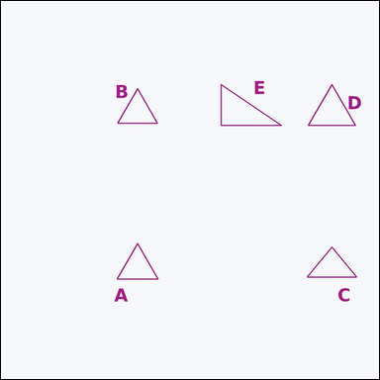 |  | task_geometry_counting_triangle | equilateral_triangle | Use the diagram showing several labeled triangles. Determine the answer: How many labeled triangles are equilateral triangles? Return a valid JSON object with keys "evidence" and "answer" in that order. Evidence requirement: set "evidence" to a sorted JSON array of the labels of all triangles that match the requested type. Answer format: set "answer" to the count as an integer. Example JSON: {"evidence":["A","C","F"],"answer":3} | Use the diagram showing several labeled triangles. Determine the answer: How many labeled triangles are equilateral triangles? Return a valid JSON object with key "answer". Answer requirement: set "answer" to the count as an integer. Example JSON: {"answer":3} | {"evidence": ["A", "B", "D"], "answer": 3} | ["A", "B", "D"] | integer | label_set | 7.6434287265E+15 | geometry/task_geometry_counting_triangle/images/equilateral_triangle/0005.png | geometry/task_geometry_counting_triangle/data/equilateral_triangle/0005.json
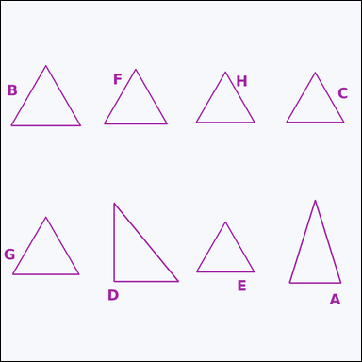 |  | task_geometry_counting_triangle | equilateral_triangle | The image shows several labeled triangles. Question: How many labeled triangles are equilateral triangles? Return a valid JSON object with keys "evidence" and "answer" in that order. Evidence format: set "evidence" to a sorted JSON array of the labels of all triangles that match the requested type. Answer requirement: set "answer" to the count as an integer. Example JSON: {"evidence":["A","C","F"],"answer":3} | The image shows several labeled triangles. Question: How many labeled triangles are equilateral triangles? Return a valid JSON object with key "answer". Answer rule: set "answer" to the count as an integer. Example JSON: {"answer":3} | {"evidence": ["B", "C", "E", "F", "G", "H"], "answer": 6} | ["B", "C", "E", "F", "G", "H"] | integer | label_set | 7.9855076059E+15 | geometry/task_geometry_counting_triangle/images/equilateral_triangle/0020.png | geometry/task_geometry_counting_triangle/data/equilateral_triangle/0020.json
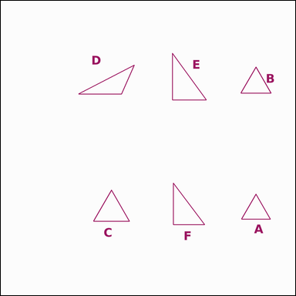 |  | task_geometry_counting_triangle | equilateral_triangle | The image shows several labeled triangles. Determine the answer: How many labeled triangles are equilateral triangles? Return a valid JSON object with keys "evidence" and "answer" in that order. Evidence rule: set "evidence" to a sorted JSON array of the labels of all triangles that match the requested type. Answer rule: set "answer" to the count as an integer. Example JSON: {"evidence":["A","C","F"],"answer":3} | The image shows several labeled triangles. Determine the answer: How many labeled triangles are equilateral triangles? Return a valid JSON object with key "answer". Answer format: set "answer" to the count as an integer. Example JSON: {"answer":3} | {"evidence": ["A", "B", "C"], "answer": 3} | ["A", "B", "C"] | integer | label_set | 7.985864559E+15 | geometry/task_geometry_counting_triangle/images/equilateral_triangle/0024.png | geometry/task_geometry_counting_triangle/data/equilateral_triangle/0024.json
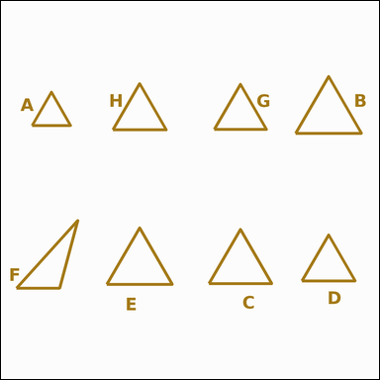 |  | task_geometry_counting_triangle | equilateral_triangle | Look at the image showing several labeled triangles. Answer this question: How many labeled triangles are equilateral triangles? Return a valid JSON object with keys "evidence" and "answer" in that order. Evidence format: set "evidence" to a sorted JSON array of the labels of all triangles that match the requested type. Answer requirement: set "answer" to the count as an integer. Example JSON: {"evidence":["A","C","F"],"answer":3} | Look at the image showing several labeled triangles. Answer this question: How many labeled triangles are equilateral triangles? Return a valid JSON object with key "answer". Answer field: set "answer" to the count as an integer. Example JSON: {"answer":3} | {"evidence": ["A", "B", "C", "D", "E", "G", "H"], "answer": 7} | ["A", "B", "C", "D", "E", "G", "H"] | integer | label_set | 8.4242421817E+15 | geometry/task_geometry_counting_triangle/images/equilateral_triangle/0007.png | geometry/task_geometry_counting_triangle/data/equilateral_triangle/0007.json

isosceles_triangle
image | evidence_image | task | task_variant | prompt | prompt_answer_only | answer | answer_evidence | answer_type | evidence_type | instance_seed | image_path | data_path
 |  | task_geometry_counting_triangle | isosceles_triangle | Work from the image showing several labeled triangles. Determine the answer: How many labeled triangles are isosceles triangles but not equilateral triangles? Return a valid JSON object with keys "evidence" and "answer" in that order. Evidence requirement: set "evidence" to a sorted JSON array of the labels of all triangles that match the requested type. Answer format: set "answer" to the count as an integer. Example JSON: {"evidence":["A","C","F"],"answer":3} | Work from the image showing several labeled triangles. Determine the answer: How many labeled triangles are isosceles triangles but not equilateral triangles? Return a valid JSON object with key "answer". Answer: set "answer" to the count as an integer. Example JSON: {"answer":3} | {"evidence": ["A", "B", "D", "E"], "answer": 4} | ["A", "B", "D", "E"] | integer | label_set | 205112643125227 | geometry/task_geometry_counting_triangle/images/isosceles_triangle/0006.png | geometry/task_geometry_counting_triangle/data/isosceles_triangle/0006.json
 |  | task_geometry_counting_triangle | isosceles_triangle | Use the diagram showing several labeled triangles. Determine the answer: How many labeled triangles are isosceles triangles but not equilateral triangles? Return a valid JSON object with keys "evidence" and "answer" in that order. Evidence requirement: set "evidence" to a sorted JSON array of the labels of all triangles that match the requested type. Answer format: set "answer" to the count as an integer. Example JSON: {"evidence":["A","C","F"],"answer":3} | Use the diagram showing several labeled triangles. Determine the answer: How many labeled triangles are isosceles triangles but not equilateral triangles? Return a valid JSON object with key "answer". Answer rule: set "answer" to the count as an integer. Example JSON: {"answer":3} | {"evidence": ["A", "B", "D"], "answer": 3} | ["A", "B", "D"] | integer | label_set | 576332430191911 | geometry/task_geometry_counting_triangle/images/isosceles_triangle/0004.png | geometry/task_geometry_counting_triangle/data/isosceles_triangle/0004.json
 |  | task_geometry_counting_triangle | isosceles_triangle | Look at the image showing several labeled triangles. How many labeled triangles are isosceles triangles but not equilateral triangles? Return a valid JSON object with keys "evidence" and "answer" in that order. Evidence rule: set "evidence" to a sorted JSON array of the labels of all triangles that match the requested type. Answer rule: set "answer" to the count as an integer. Example JSON: {"evidence":["A","C","F"],"answer":3} | Look at the image showing several labeled triangles. How many labeled triangles are isosceles triangles but not equilateral triangles? Return a valid JSON object with key "answer". Answer requirement: set "answer" to the count as an integer. Example JSON: {"answer":3} | {"evidence": ["A", "B", "C", "D", "E", "F", "H"], "answer": 7} | ["A", "B", "C", "D", "E", "F", "H"] | integer | label_set | 877386773495683 | geometry/task_geometry_counting_triangle/images/isosceles_triangle/0019.png | geometry/task_geometry_counting_triangle/data/isosceles_triangle/0019.json
 |  | task_geometry_counting_triangle | isosceles_triangle | Look at the image showing several labeled triangles. Answer this question: How many labeled triangles are isosceles triangles but not equilateral triangles? Return a valid JSON object with keys "evidence" and "answer" in that order. Evidence rule: set "evidence" to a sorted JSON array of the labels of all triangles that match the requested type. Answer rule: set "answer" to the count as an integer. Example JSON: {"evidence":["A","C","F"],"answer":3} | Look at the image showing several labeled triangles. Answer this question: How many labeled triangles are isosceles triangles but not equilateral triangles? Return a valid JSON object with key "answer". Answer rule: set "answer" to the count as an integer. Example JSON: {"answer":3} | {"evidence": ["A", "B", "C", "D", "E"], "answer": 5} | ["A", "B", "C", "D", "E"] | integer | label_set | 1.3856856364E+15 | geometry/task_geometry_counting_triangle/images/isosceles_triangle/0015.png | geometry/task_geometry_counting_triangle/data/isosceles_triangle/0015.json
 |  | task_geometry_counting_triangle | isosceles_triangle | The image shows several labeled triangles. Determine the answer: How many labeled triangles are isosceles triangles but not equilateral triangles? Return a valid JSON object with keys "evidence" and "answer" in that order. Evidence format: set "evidence" to a sorted JSON array of the labels of all triangles that match the requested type. Answer requirement: set "answer" to the count as an integer. Example JSON: {"evidence":["A","C","F"],"answer":3} | The image shows several labeled triangles. Determine the answer: How many labeled triangles are isosceles triangles but not equilateral triangles? Return a valid JSON object with key "answer". Answer requirement: set "answer" to the count as an integer. Example JSON: {"answer":3} | {"evidence": ["B", "D"], "answer": 2} | ["B", "D"] | integer | label_set | 1.8306154068E+15 | geometry/task_geometry_counting_triangle/images/isosceles_triangle/0023.png | geometry/task_geometry_counting_triangle/data/isosceles_triangle/0023.json
 |  | task_geometry_counting_triangle | isosceles_triangle | Use the diagram showing several labeled triangles. How many labeled triangles are isosceles triangles but not equilateral triangles? Return a valid JSON object with keys "evidence" and "answer" in that order. Evidence rule: set "evidence" to a sorted JSON array of the labels of all triangles that match the requested type. Answer rule: set "answer" to the count as an integer. Example JSON: {"evidence":["A","C","F"],"answer":3} | Use the diagram showing several labeled triangles. How many labeled triangles are isosceles triangles but not equilateral triangles? Return a valid JSON object with key "answer". Answer: set "answer" to the count as an integer. Example JSON: {"answer":3} | {"evidence": ["A", "B", "C", "D", "E", "F"], "answer": 6} | ["A", "B", "C", "D", "E", "F"] | integer | label_set | 2.4688626707E+15 | geometry/task_geometry_counting_triangle/images/isosceles_triangle/0014.png | geometry/task_geometry_counting_triangle/data/isosceles_triangle/0014.json
 |  | task_geometry_counting_triangle | isosceles_triangle | You are given an image showing several labeled triangles. Answer this question: How many labeled triangles are isosceles triangles but not equilateral triangles? Return a valid JSON object with keys "evidence" and "answer" in that order. Evidence field: set "evidence" to a sorted JSON array of the labels of all triangles that match the requested type. Answer field: set "answer" to the count as an integer. Example JSON: {"evidence":["A","C","F"],"answer":3} | You are given an image showing several labeled triangles. Answer this question: How many labeled triangles are isosceles triangles but not equilateral triangles? Return a valid JSON object with key "answer". Answer requirement: set "answer" to the count as an integer. Example JSON: {"answer":3} | {"evidence": ["A", "B", "D", "F"], "answer": 4} | ["A", "B", "D", "F"] | integer | label_set | 3.3639557696E+15 | geometry/task_geometry_counting_triangle/images/isosceles_triangle/0017.png | geometry/task_geometry_counting_triangle/data/isosceles_triangle/0017.json
 |  | task_geometry_counting_triangle | isosceles_triangle | Work from the image showing several labeled triangles. Question: How many labeled triangles are isosceles triangles but not equilateral triangles? Return a valid JSON object with keys "evidence" and "answer" in that order. Evidence rule: set "evidence" to a sorted JSON array of the labels of all triangles that match the requested type. Answer rule: set "answer" to the count as an integer. Example JSON: {"evidence":["A","C","F"],"answer":3} | Work from the image showing several labeled triangles. Question: How many labeled triangles are isosceles triangles but not equilateral triangles? Return a valid JSON object with key "answer". Answer: set "answer" to the count as an integer. Example JSON: {"answer":3} | {"evidence": ["F"], "answer": 1} | ["F"] | integer | label_set | 3.7371376461E+15 | geometry/task_geometry_counting_triangle/images/isosceles_triangle/0012.png | geometry/task_geometry_counting_triangle/data/isosceles_triangle/0012.json
 |  | task_geometry_counting_triangle | isosceles_triangle | Work from the image showing several labeled triangles. Answer this question: How many labeled triangles are isosceles triangles but not equilateral triangles? Return a valid JSON object with keys "evidence" and "answer" in that order. Evidence field: set "evidence" to a sorted JSON array of the labels of all triangles that match the requested type. Answer field: set "answer" to the count as an integer. Example JSON: {"evidence":["A","C","F"],"answer":3} | Work from the image showing several labeled triangles. Answer this question: How many labeled triangles are isosceles triangles but not equilateral triangles? Return a valid JSON object with key "answer". Answer requirement: set "answer" to the count as an integer. Example JSON: {"answer":3} | {"evidence": ["D", "E"], "answer": 2} | ["D", "E"] | integer | label_set | 3.8527040457E+15 | geometry/task_geometry_counting_triangle/images/isosceles_triangle/0022.png | geometry/task_geometry_counting_triangle/data/isosceles_triangle/0022.json
 |  | task_geometry_counting_triangle | isosceles_triangle | The image shows several labeled triangles. Task: How many labeled triangles are isosceles triangles but not equilateral triangles? Return a valid JSON object with keys "evidence" and "answer" in that order. Evidence format: set "evidence" to a sorted JSON array of the labels of all triangles that match the requested type. Answer requirement: set "answer" to the count as an integer. Example JSON: {"evidence":["A","C","F"],"answer":3} | The image shows several labeled triangles. Task: How many labeled triangles are isosceles triangles but not equilateral triangles? Return a valid JSON object with key "answer". Answer field: set "answer" to the count as an integer. Example JSON: {"answer":3} | {"evidence": ["A", "B", "C", "D", "E", "F", "G"], "answer": 7} | ["A", "B", "C", "D", "E", "F", "G"] | integer | label_set | 3.9829108675E+15 | geometry/task_geometry_counting_triangle/images/isosceles_triangle/0000.png | geometry/task_geometry_counting_triangle/data/isosceles_triangle/0000.json
 |  | task_geometry_counting_triangle | isosceles_triangle | Look at the image showing several labeled triangles. Question: How many labeled triangles are isosceles triangles but not equilateral triangles? Return a valid JSON object with keys "evidence" and "answer" in that order. Evidence field: set "evidence" to a sorted JSON array of the labels of all triangles that match the requested type. Answer field: set "answer" to the count as an integer. Example JSON: {"evidence":["A","C","F"],"answer":3} | Look at the image showing several labeled triangles. Question: How many labeled triangles are isosceles triangles but not equilateral triangles? Return a valid JSON object with key "answer". Answer rule: set "answer" to the count as an integer. Example JSON: {"answer":3} | {"evidence": ["B", "C", "D", "E", "F", "G"], "answer": 6} | ["B", "C", "D", "E", "F", "G"] | integer | label_set | 4.2520947226E+15 | geometry/task_geometry_counting_triangle/images/isosceles_triangle/0018.png | geometry/task_geometry_counting_triangle/data/isosceles_triangle/0018.json
 |  | task_geometry_counting_triangle | isosceles_triangle | Use the diagram showing several labeled triangles. How many labeled triangles are isosceles triangles but not equilateral triangles? Return a valid JSON object with keys "evidence" and "answer" in that order. Evidence field: set "evidence" to a sorted JSON array of the labels of all triangles that match the requested type. Answer field: set "answer" to the count as an integer. Example JSON: {"evidence":["A","C","F"],"answer":3} | Use the diagram showing several labeled triangles. How many labeled triangles are isosceles triangles but not equilateral triangles? Return a valid JSON object with key "answer". Answer format: set "answer" to the count as an integer. Example JSON: {"answer":3} | {"evidence": ["D"], "answer": 1} | ["D"] | integer | label_set | 4.668239797E+15 | geometry/task_geometry_counting_triangle/images/isosceles_triangle/0003.png | geometry/task_geometry_counting_triangle/data/isosceles_triangle/0003.json
 |  | task_geometry_counting_triangle | isosceles_triangle | You are given an image showing several labeled triangles. Task: How many labeled triangles are isosceles triangles but not equilateral triangles? Return a valid JSON object with keys "evidence" and "answer" in that order. Evidence rule: set "evidence" to a sorted JSON array of the labels of all triangles that match the requested type. Answer rule: set "answer" to the count as an integer. Example JSON: {"evidence":["A","C","F"],"answer":3} | You are given an image showing several labeled triangles. Task: How many labeled triangles are isosceles triangles but not equilateral triangles? Return a valid JSON object with key "answer". Answer field: set "answer" to the count as an integer. Example JSON: {"answer":3} | {"evidence": ["A", "B", "E"], "answer": 3} | ["A", "B", "E"] | integer | label_set | 4.7595884984E+15 | geometry/task_geometry_counting_triangle/images/isosceles_triangle/0013.png | geometry/task_geometry_counting_triangle/data/isosceles_triangle/0013.json
 |  | task_geometry_counting_triangle | isosceles_triangle | The image shows several labeled triangles. Answer this question: How many labeled triangles are isosceles triangles but not equilateral triangles? Return a valid JSON object with keys "evidence" and "answer" in that order. Evidence: set "evidence" to a sorted JSON array of the labels of all triangles that match the requested type. Answer: set "answer" to the count as an integer. Example JSON: {"evidence":["A","C","F"],"answer":3} | The image shows several labeled triangles. Answer this question: How many labeled triangles are isosceles triangles but not equilateral triangles? Return a valid JSON object with key "answer". Answer rule: set "answer" to the count as an integer. Example JSON: {"answer":3} | {"evidence": ["A", "B", "D", "E", "G", "H"], "answer": 6} | ["A", "B", "D", "E", "G", "H"] | integer | label_set | 5.0379062744E+15 | geometry/task_geometry_counting_triangle/images/isosceles_triangle/0001.png | geometry/task_geometry_counting_triangle/data/isosceles_triangle/0001.json
 |  | task_geometry_counting_triangle | isosceles_triangle | You are given an image showing several labeled triangles. Answer this question: How many labeled triangles are isosceles triangles but not equilateral triangles? Return a valid JSON object with keys "evidence" and "answer" in that order. Evidence: set "evidence" to a sorted JSON array of the labels of all triangles that match the requested type. Answer: set "answer" to the count as an integer. Example JSON: {"evidence":["A","C","F"],"answer":3} | You are given an image showing several labeled triangles. Answer this question: How many labeled triangles are isosceles triangles but not equilateral triangles? Return a valid JSON object with key "answer". Answer format: set "answer" to the count as an integer. Example JSON: {"answer":3} | {"evidence": ["E"], "answer": 1} | ["E"] | integer | label_set | 5.6229710042E+15 | geometry/task_geometry_counting_triangle/images/isosceles_triangle/0005.png | geometry/task_geometry_counting_triangle/data/isosceles_triangle/0005.json
 |  | task_geometry_counting_triangle | isosceles_triangle | The image shows several labeled triangles. How many labeled triangles are isosceles triangles but not equilateral triangles? Return a valid JSON object with keys "evidence" and "answer" in that order. Evidence rule: set "evidence" to a sorted JSON array of the labels of all triangles that match the requested type. Answer rule: set "answer" to the count as an integer. Example JSON: {"evidence":["A","C","F"],"answer":3} | The image shows several labeled triangles. How many labeled triangles are isosceles triangles but not equilateral triangles? Return a valid JSON object with key "answer". Answer rule: set "answer" to the count as an integer. Example JSON: {"answer":3} | {"evidence": ["A", "B", "D", "F", "G", "H"], "answer": 6} | ["A", "B", "D", "F", "G", "H"] | integer | label_set | 5.9088788854E+15 | geometry/task_geometry_counting_triangle/images/isosceles_triangle/0011.png | geometry/task_geometry_counting_triangle/data/isosceles_triangle/0011.json
 |  | task_geometry_counting_triangle | isosceles_triangle | You are given an image showing several labeled triangles. Task: How many labeled triangles are isosceles triangles but not equilateral triangles? Return a valid JSON object with keys "evidence" and "answer" in that order. Evidence: set "evidence" to a sorted JSON array of the labels of all triangles that match the requested type. Answer: set "answer" to the count as an integer. Example JSON: {"evidence":["A","C","F"],"answer":3} | You are given an image showing several labeled triangles. Task: How many labeled triangles are isosceles triangles but not equilateral triangles? Return a valid JSON object with key "answer". Answer rule: set "answer" to the count as an integer. Example JSON: {"answer":3} | {"evidence": ["C", "D", "E", "F", "G"], "answer": 5} | ["C", "D", "E", "F", "G"] | integer | label_set | 6.7273861684E+15 | geometry/task_geometry_counting_triangle/images/isosceles_triangle/0024.png | geometry/task_geometry_counting_triangle/data/isosceles_triangle/0024.json
 |  | task_geometry_counting_triangle | isosceles_triangle | You are given an image showing several labeled triangles. Task: How many labeled triangles are isosceles triangles but not equilateral triangles? Return a valid JSON object with keys "evidence" and "answer" in that order. Evidence field: set "evidence" to a sorted JSON array of the labels of all triangles that match the requested type. Answer field: set "answer" to the count as an integer. Example JSON: {"evidence":["A","C","F"],"answer":3} | You are given an image showing several labeled triangles. Task: How many labeled triangles are isosceles triangles but not equilateral triangles? Return a valid JSON object with key "answer". Answer: set "answer" to the count as an integer. Example JSON: {"answer":3} | {"evidence": ["A", "F"], "answer": 2} | ["A", "F"] | integer | label_set | 6.9486509662E+15 | geometry/task_geometry_counting_triangle/images/isosceles_triangle/0010.png | geometry/task_geometry_counting_triangle/data/isosceles_triangle/0010.json
 |  | task_geometry_counting_triangle | isosceles_triangle | Look at the image showing several labeled triangles. Answer this question: How many labeled triangles are isosceles triangles but not equilateral triangles? Return a valid JSON object with keys "evidence" and "answer" in that order. Evidence field: set "evidence" to a sorted JSON array of the labels of all triangles that match the requested type. Answer field: set "answer" to the count as an integer. Example JSON: {"evidence":["A","C","F"],"answer":3} | Look at the image showing several labeled triangles. Answer this question: How many labeled triangles are isosceles triangles but not equilateral triangles? Return a valid JSON object with key "answer". Answer requirement: set "answer" to the count as an integer. Example JSON: {"answer":3} | {"evidence": ["A", "B", "C", "E", "H"], "answer": 5} | ["A", "B", "C", "E", "H"] | integer | label_set | 7.1225904239E+15 | geometry/task_geometry_counting_triangle/images/isosceles_triangle/0007.png | geometry/task_geometry_counting_triangle/data/isosceles_triangle/0007.json
 |  | task_geometry_counting_triangle | isosceles_triangle | You are given an image showing several labeled triangles. Answer this question: How many labeled triangles are isosceles triangles but not equilateral triangles? Return a valid JSON object with keys "evidence" and "answer" in that order. Evidence rule: set "evidence" to a sorted JSON array of the labels of all triangles that match the requested type. Answer rule: set "answer" to the count as an integer. Example JSON: {"evidence":["A","C","F"],"answer":3} | You are given an image showing several labeled triangles. Answer this question: How many labeled triangles are isosceles triangles but not equilateral triangles? Return a valid JSON object with key "answer". Answer rule: set "answer" to the count as an integer. Example JSON: {"answer":3} | {"evidence": ["A", "B", "C", "G"], "answer": 4} | ["A", "B", "C", "G"] | integer | label_set | 7.4536879474E+15 | geometry/task_geometry_counting_triangle/images/isosceles_triangle/0008.png | geometry/task_geometry_counting_triangle/data/isosceles_triangle/0008.json
 |  | task_geometry_counting_triangle | isosceles_triangle | The image shows several labeled triangles. Answer this question: How many labeled triangles are isosceles triangles but not equilateral triangles? Return a valid JSON object with keys "evidence" and "answer" in that order. Evidence format: set "evidence" to a sorted JSON array of the labels of all triangles that match the requested type. Answer requirement: set "answer" to the count as an integer. Example JSON: {"evidence":["A","C","F"],"answer":3} | The image shows several labeled triangles. Answer this question: How many labeled triangles are isosceles triangles but not equilateral triangles? Return a valid JSON object with key "answer". Answer requirement: set "answer" to the count as an integer. Example JSON: {"answer":3} | {"evidence": ["D", "E", "H"], "answer": 3} | ["D", "E", "H"] | integer | label_set | 7.8790543461E+15 | geometry/task_geometry_counting_triangle/images/isosceles_triangle/0016.png | geometry/task_geometry_counting_triangle/data/isosceles_triangle/0016.json
 |  | task_geometry_counting_triangle | isosceles_triangle | The image shows several labeled triangles. Task: How many labeled triangles are isosceles triangles but not equilateral triangles? Return a valid JSON object with keys "evidence" and "answer" in that order. Evidence field: set "evidence" to a sorted JSON array of the labels of all triangles that match the requested type. Answer field: set "answer" to the count as an integer. Example JSON: {"evidence":["A","C","F"],"answer":3} | The image shows several labeled triangles. Task: How many labeled triangles are isosceles triangles but not equilateral triangles? Return a valid JSON object with key "answer". Answer: set "answer" to the count as an integer. Example JSON: {"answer":3} | {"evidence": ["A", "C"], "answer": 2} | ["A", "C"] | integer | label_set | 7.9289536081E+15 | geometry/task_geometry_counting_triangle/images/isosceles_triangle/0009.png | geometry/task_geometry_counting_triangle/data/isosceles_triangle/0009.json
 |  | task_geometry_counting_triangle | isosceles_triangle | The image shows several labeled triangles. Question: How many labeled triangles are isosceles triangles but not equilateral triangles? Return a valid JSON object with keys "evidence" and "answer" in that order. Evidence rule: set "evidence" to a sorted JSON array of the labels of all triangles that match the requested type. Answer rule: set "answer" to the count as an integer. Example JSON: {"evidence":["A","C","F"],"answer":3} | The image shows several labeled triangles. Question: How many labeled triangles are isosceles triangles but not equilateral triangles? Return a valid JSON object with key "answer". Answer: set "answer" to the count as an integer. Example JSON: {"answer":3} | {"evidence": ["B", "C", "D", "E", "F", "G"], "answer": 6} | ["B", "C", "D", "E", "F", "G"] | integer | label_set | 7.9337031446E+15 | geometry/task_geometry_counting_triangle/images/isosceles_triangle/0002.png | geometry/task_geometry_counting_triangle/data/isosceles_triangle/0002.json
 |  | task_geometry_counting_triangle | isosceles_triangle | Work from the image showing several labeled triangles. How many labeled triangles are isosceles triangles but not equilateral triangles? Return a valid JSON object with keys "evidence" and "answer" in that order. Evidence requirement: set "evidence" to a sorted JSON array of the labels of all triangles that match the requested type. Answer format: set "answer" to the count as an integer. Example JSON: {"evidence":["A","C","F"],"answer":3} | Work from the image showing several labeled triangles. How many labeled triangles are isosceles triangles but not equilateral triangles? Return a valid JSON object with key "answer". Answer: set "answer" to the count as an integer. Example JSON: {"answer":3} | {"evidence": ["E", "F", "G"], "answer": 3} | ["E", "F", "G"] | integer | label_set | 8.1483124611E+15 | geometry/task_geometry_counting_triangle/images/isosceles_triangle/0020.png | geometry/task_geometry_counting_triangle/data/isosceles_triangle/0020.json
 |  | task_geometry_counting_triangle | isosceles_triangle | The image shows several labeled triangles. Determine the answer: How many labeled triangles are isosceles triangles but not equilateral triangles? Return a valid JSON object with keys "evidence" and "answer" in that order. Evidence rule: set "evidence" to a sorted JSON array of the labels of all triangles that match the requested type. Answer rule: set "answer" to the count as an integer. Example JSON: {"evidence":["A","C","F"],"answer":3} | The image shows several labeled triangles. Determine the answer: How many labeled triangles are isosceles triangles but not equilateral triangles? Return a valid JSON object with key "answer". Answer: set "answer" to the count as an integer. Example JSON: {"answer":3} | {"evidence": ["A", "C", "G"], "answer": 3} | ["A", "C", "G"] | integer | label_set | 8.930414305E+15 | geometry/task_geometry_counting_triangle/images/isosceles_triangle/0021.png | geometry/task_geometry_counting_triangle/data/isosceles_triangle/0021.json

obtuse_triangle
image | evidence_image | task | task_variant | prompt | prompt_answer_only | answer | answer_evidence | answer_type | evidence_type | instance_seed | image_path | data_path
 |  | task_geometry_counting_triangle | obtuse_triangle | Work from the image showing several labeled triangles. Task: How many labeled triangles are obtuse triangles? Return a valid JSON object with keys "evidence" and "answer" in that order. Evidence field: set "evidence" to a sorted JSON array of the labels of all triangles that match the requested type. Answer field: set "answer" to the count as an integer. Example JSON: {"evidence":["A","C","F"],"answer":3} | Work from the image showing several labeled triangles. Task: How many labeled triangles are obtuse triangles? Return a valid JSON object with key "answer". Answer field: set "answer" to the count as an integer. Example JSON: {"answer":3} | {"evidence": ["D", "G"], "answer": 2} | ["D", "G"] | integer | label_set | 220654904467457 | geometry/task_geometry_counting_triangle/images/obtuse_triangle/0002.png | geometry/task_geometry_counting_triangle/data/obtuse_triangle/0002.json
 |  | task_geometry_counting_triangle | obtuse_triangle | Look at the image showing several labeled triangles. Answer this question: How many labeled triangles are obtuse triangles? Return a valid JSON object with keys "evidence" and "answer" in that order. Evidence requirement: set "evidence" to a sorted JSON array of the labels of all triangles that match the requested type. Answer format: set "answer" to the count as an integer. Example JSON: {"evidence":["A","C","F"],"answer":3} | Look at the image showing several labeled triangles. Answer this question: How many labeled triangles are obtuse triangles? Return a valid JSON object with key "answer". Answer rule: set "answer" to the count as an integer. Example JSON: {"answer":3} | {"evidence": ["F"], "answer": 1} | ["F"] | integer | label_set | 230287853058845 | geometry/task_geometry_counting_triangle/images/obtuse_triangle/0021.png | geometry/task_geometry_counting_triangle/data/obtuse_triangle/0021.json
 |  | task_geometry_counting_triangle | obtuse_triangle | Look at the image showing several labeled triangles. Determine the answer: How many labeled triangles are obtuse triangles? Return a valid JSON object with keys "evidence" and "answer" in that order. Evidence rule: set "evidence" to a sorted JSON array of the labels of all triangles that match the requested type. Answer rule: set "answer" to the count as an integer. Example JSON: {"evidence":["A","C","F"],"answer":3} | Look at the image showing several labeled triangles. Determine the answer: How many labeled triangles are obtuse triangles? Return a valid JSON object with key "answer". Answer requirement: set "answer" to the count as an integer. Example JSON: {"answer":3} | {"evidence": ["B", "C"], "answer": 2} | ["B", "C"] | integer | label_set | 325502036503907 | geometry/task_geometry_counting_triangle/images/obtuse_triangle/0008.png | geometry/task_geometry_counting_triangle/data/obtuse_triangle/0008.json
 |  | task_geometry_counting_triangle | obtuse_triangle | You are given an image showing several labeled triangles. Question: How many labeled triangles are obtuse triangles? Return a valid JSON object with keys "evidence" and "answer" in that order. Evidence format: set "evidence" to a sorted JSON array of the labels of all triangles that match the requested type. Answer requirement: set "answer" to the count as an integer. Example JSON: {"evidence":["A","C","F"],"answer":3} | You are given an image showing several labeled triangles. Question: How many labeled triangles are obtuse triangles? Return a valid JSON object with key "answer". Answer requirement: set "answer" to the count as an integer. Example JSON: {"answer":3} | {"evidence": ["A", "B", "C", "D", "E", "G", "H"], "answer": 7} | ["A", "B", "C", "D", "E", "G", "H"] | integer | label_set | 917329813230389 | geometry/task_geometry_counting_triangle/images/obtuse_triangle/0012.png | geometry/task_geometry_counting_triangle/data/obtuse_triangle/0012.json
 |  | task_geometry_counting_triangle | obtuse_triangle | Use the diagram showing several labeled triangles. Task: How many labeled triangles are obtuse triangles? Return a valid JSON object with keys "evidence" and "answer" in that order. Evidence field: set "evidence" to a sorted JSON array of the labels of all triangles that match the requested type. Answer field: set "answer" to the count as an integer. Example JSON: {"evidence":["A","C","F"],"answer":3} | Use the diagram showing several labeled triangles. Task: How many labeled triangles are obtuse triangles? Return a valid JSON object with key "answer". Answer field: set "answer" to the count as an integer. Example JSON: {"answer":3} | {"evidence": ["A", "B", "E", "F", "G", "H"], "answer": 6} | ["A", "B", "E", "F", "G", "H"] | integer | label_set | 1.7416191714E+15 | geometry/task_geometry_counting_triangle/images/obtuse_triangle/0004.png | geometry/task_geometry_counting_triangle/data/obtuse_triangle/0004.json
 |  | task_geometry_counting_triangle | obtuse_triangle | Use the diagram showing several labeled triangles. Answer this question: How many labeled triangles are obtuse triangles? Return a valid JSON object with keys "evidence" and "answer" in that order. Evidence: set "evidence" to a sorted JSON array of the labels of all triangles that match the requested type. Answer: set "answer" to the count as an integer. Example JSON: {"evidence":["A","C","F"],"answer":3} | Use the diagram showing several labeled triangles. Answer this question: How many labeled triangles are obtuse triangles? Return a valid JSON object with key "answer". Answer rule: set "answer" to the count as an integer. Example JSON: {"answer":3} | {"evidence": ["A", "B", "D", "E", "F", "G"], "answer": 6} | ["A", "B", "D", "E", "F", "G"] | integer | label_set | 2.3494256863E+15 | geometry/task_geometry_counting_triangle/images/obtuse_triangle/0014.png | geometry/task_geometry_counting_triangle/data/obtuse_triangle/0014.json
 |  | task_geometry_counting_triangle | obtuse_triangle | Work from the image showing several labeled triangles. Determine the answer: How many labeled triangles are obtuse triangles? Return a valid JSON object with keys "evidence" and "answer" in that order. Evidence requirement: set "evidence" to a sorted JSON array of the labels of all triangles that match the requested type. Answer format: set "answer" to the count as an integer. Example JSON: {"evidence":["A","C","F"],"answer":3} | Work from the image showing several labeled triangles. Determine the answer: How many labeled triangles are obtuse triangles? Return a valid JSON object with key "answer". Answer field: set "answer" to the count as an integer. Example JSON: {"answer":3} | {"evidence": ["C"], "answer": 1} | ["C"] | integer | label_set | 2.8576913145E+15 | geometry/task_geometry_counting_triangle/images/obtuse_triangle/0010.png | geometry/task_geometry_counting_triangle/data/obtuse_triangle/0010.json
 |  | task_geometry_counting_triangle | obtuse_triangle | You are given an image showing several labeled triangles. Question: How many labeled triangles are obtuse triangles? Return a valid JSON object with keys "evidence" and "answer" in that order. Evidence: set "evidence" to a sorted JSON array of the labels of all triangles that match the requested type. Answer: set "answer" to the count as an integer. Example JSON: {"evidence":["A","C","F"],"answer":3} | You are given an image showing several labeled triangles. Question: How many labeled triangles are obtuse triangles? Return a valid JSON object with key "answer". Answer: set "answer" to the count as an integer. Example JSON: {"answer":3} | {"evidence": ["A", "B", "C", "D", "E", "F", "G"], "answer": 7} | ["A", "B", "C", "D", "E", "F", "G"] | integer | label_set | 3.1493571617E+15 | geometry/task_geometry_counting_triangle/images/obtuse_triangle/0007.png | geometry/task_geometry_counting_triangle/data/obtuse_triangle/0007.json
 |  | task_geometry_counting_triangle | obtuse_triangle | The image shows several labeled triangles. How many labeled triangles are obtuse triangles? Return a valid JSON object with keys "evidence" and "answer" in that order. Evidence field: set "evidence" to a sorted JSON array of the labels of all triangles that match the requested type. Answer field: set "answer" to the count as an integer. Example JSON: {"evidence":["A","C","F"],"answer":3} | The image shows several labeled triangles. How many labeled triangles are obtuse triangles? Return a valid JSON object with key "answer". Answer requirement: set "answer" to the count as an integer. Example JSON: {"answer":3} | {"evidence": ["A", "D", "E"], "answer": 3} | ["A", "D", "E"] | integer | label_set | 3.4795565103E+15 | geometry/task_geometry_counting_triangle/images/obtuse_triangle/0020.png | geometry/task_geometry_counting_triangle/data/obtuse_triangle/0020.json
 |  | task_geometry_counting_triangle | obtuse_triangle | The image shows several labeled triangles. Answer this question: How many labeled triangles are obtuse triangles? Return a valid JSON object with keys "evidence" and "answer" in that order. Evidence requirement: set "evidence" to a sorted JSON array of the labels of all triangles that match the requested type. Answer format: set "answer" to the count as an integer. Example JSON: {"evidence":["A","C","F"],"answer":3} | The image shows several labeled triangles. Answer this question: How many labeled triangles are obtuse triangles? Return a valid JSON object with key "answer". Answer format: set "answer" to the count as an integer. Example JSON: {"answer":3} | {"evidence": ["C", "D", "E", "F"], "answer": 4} | ["C", "D", "E", "F"] | integer | label_set | 3.7197112026E+15 | geometry/task_geometry_counting_triangle/images/obtuse_triangle/0009.png | geometry/task_geometry_counting_triangle/data/obtuse_triangle/0009.json
 |  | task_geometry_counting_triangle | obtuse_triangle | Look at the image showing several labeled triangles. Answer this question: How many labeled triangles are obtuse triangles? Return a valid JSON object with keys "evidence" and "answer" in that order. Evidence requirement: set "evidence" to a sorted JSON array of the labels of all triangles that match the requested type. Answer format: set "answer" to the count as an integer. Example JSON: {"evidence":["A","C","F"],"answer":3} | Look at the image showing several labeled triangles. Answer this question: How many labeled triangles are obtuse triangles? Return a valid JSON object with key "answer". Answer requirement: set "answer" to the count as an integer. Example JSON: {"answer":3} | {"evidence": ["A", "B", "D", "F"], "answer": 4} | ["A", "B", "D", "F"] | integer | label_set | 4.0317552093E+15 | geometry/task_geometry_counting_triangle/images/obtuse_triangle/0017.png | geometry/task_geometry_counting_triangle/data/obtuse_triangle/0017.json
 |  | task_geometry_counting_triangle | obtuse_triangle | You are given an image showing several labeled triangles. Answer this question: How many labeled triangles are obtuse triangles? Return a valid JSON object with keys "evidence" and "answer" in that order. Evidence requirement: set "evidence" to a sorted JSON array of the labels of all triangles that match the requested type. Answer format: set "answer" to the count as an integer. Example JSON: {"evidence":["A","C","F"],"answer":3} | You are given an image showing several labeled triangles. Answer this question: How many labeled triangles are obtuse triangles? Return a valid JSON object with key "answer". Answer format: set "answer" to the count as an integer. Example JSON: {"answer":3} | {"evidence": ["B"], "answer": 1} | ["B"] | integer | label_set | 4.1432418121E+15 | geometry/task_geometry_counting_triangle/images/obtuse_triangle/0001.png | geometry/task_geometry_counting_triangle/data/obtuse_triangle/0001.json
 |  | task_geometry_counting_triangle | obtuse_triangle | The image shows several labeled triangles. Question: How many labeled triangles are obtuse triangles? Return a valid JSON object with keys "evidence" and "answer" in that order. Evidence field: set "evidence" to a sorted JSON array of the labels of all triangles that match the requested type. Answer field: set "answer" to the count as an integer. Example JSON: {"evidence":["A","C","F"],"answer":3} | The image shows several labeled triangles. Question: How many labeled triangles are obtuse triangles? Return a valid JSON object with key "answer". Answer: set "answer" to the count as an integer. Example JSON: {"answer":3} | {"evidence": ["B", "C", "D", "E", "G"], "answer": 5} | ["B", "C", "D", "E", "G"] | integer | label_set | 4.4501546114E+15 | geometry/task_geometry_counting_triangle/images/obtuse_triangle/0013.png | geometry/task_geometry_counting_triangle/data/obtuse_triangle/0013.json
 |  | task_geometry_counting_triangle | obtuse_triangle | Look at the image showing several labeled triangles. Task: How many labeled triangles are obtuse triangles? Return a valid JSON object with keys "evidence" and "answer" in that order. Evidence rule: set "evidence" to a sorted JSON array of the labels of all triangles that match the requested type. Answer rule: set "answer" to the count as an integer. Example JSON: {"evidence":["A","C","F"],"answer":3} | Look at the image showing several labeled triangles. Task: How many labeled triangles are obtuse triangles? Return a valid JSON object with key "answer". Answer format: set "answer" to the count as an integer. Example JSON: {"answer":3} | {"evidence": ["A", "C", "D", "G"], "answer": 4} | ["A", "C", "D", "G"] | integer | label_set | 5.1524008175E+15 | geometry/task_geometry_counting_triangle/images/obtuse_triangle/0015.png | geometry/task_geometry_counting_triangle/data/obtuse_triangle/0015.json
 |  | task_geometry_counting_triangle | obtuse_triangle | The image shows several labeled triangles. Determine the answer: How many labeled triangles are obtuse triangles? Return a valid JSON object with keys "evidence" and "answer" in that order. Evidence rule: set "evidence" to a sorted JSON array of the labels of all triangles that match the requested type. Answer rule: set "answer" to the count as an integer. Example JSON: {"evidence":["A","C","F"],"answer":3} | The image shows several labeled triangles. Determine the answer: How many labeled triangles are obtuse triangles? Return a valid JSON object with key "answer". Answer requirement: set "answer" to the count as an integer. Example JSON: {"answer":3} | {"evidence": ["F"], "answer": 1} | ["F"] | integer | label_set | 5.2313398566E+15 | geometry/task_geometry_counting_triangle/images/obtuse_triangle/0023.png | geometry/task_geometry_counting_triangle/data/obtuse_triangle/0023.json
 |  | task_geometry_counting_triangle | obtuse_triangle | Work from the image showing several labeled triangles. Determine the answer: How many labeled triangles are obtuse triangles? Return a valid JSON object with keys "evidence" and "answer" in that order. Evidence: set "evidence" to a sorted JSON array of the labels of all triangles that match the requested type. Answer: set "answer" to the count as an integer. Example JSON: {"evidence":["A","C","F"],"answer":3} | Work from the image showing several labeled triangles. Determine the answer: How many labeled triangles are obtuse triangles? Return a valid JSON object with key "answer". Answer: set "answer" to the count as an integer. Example JSON: {"answer":3} | {"evidence": ["A", "B", "C", "D", "E", "G", "H"], "answer": 7} | ["A", "B", "C", "D", "E", "G", "H"] | integer | label_set | 5.7807616318E+15 | geometry/task_geometry_counting_triangle/images/obtuse_triangle/0000.png | geometry/task_geometry_counting_triangle/data/obtuse_triangle/0000.json
 |  | task_geometry_counting_triangle | obtuse_triangle | Look at the image showing several labeled triangles. Question: How many labeled triangles are obtuse triangles? Return a valid JSON object with keys "evidence" and "answer" in that order. Evidence field: set "evidence" to a sorted JSON array of the labels of all triangles that match the requested type. Answer field: set "answer" to the count as an integer. Example JSON: {"evidence":["A","C","F"],"answer":3} | Look at the image showing several labeled triangles. Question: How many labeled triangles are obtuse triangles? Return a valid JSON object with key "answer". Answer field: set "answer" to the count as an integer. Example JSON: {"answer":3} | {"evidence": ["A", "B", "C", "D", "F", "G"], "answer": 6} | ["A", "B", "C", "D", "F", "G"] | integer | label_set | 5.8087907286E+15 | geometry/task_geometry_counting_triangle/images/obtuse_triangle/0016.png | geometry/task_geometry_counting_triangle/data/obtuse_triangle/0016.json
 |  | task_geometry_counting_triangle | obtuse_triangle | Use the diagram showing several labeled triangles. Task: How many labeled triangles are obtuse triangles? Return a valid JSON object with keys "evidence" and "answer" in that order. Evidence field: set "evidence" to a sorted JSON array of the labels of all triangles that match the requested type. Answer field: set "answer" to the count as an integer. Example JSON: {"evidence":["A","C","F"],"answer":3} | Use the diagram showing several labeled triangles. Task: How many labeled triangles are obtuse triangles? Return a valid JSON object with key "answer". Answer rule: set "answer" to the count as an integer. Example JSON: {"answer":3} | {"evidence": ["E", "G"], "answer": 2} | ["E", "G"] | integer | label_set | 6.0299877472E+15 | geometry/task_geometry_counting_triangle/images/obtuse_triangle/0005.png | geometry/task_geometry_counting_triangle/data/obtuse_triangle/0005.json
 |  | task_geometry_counting_triangle | obtuse_triangle | The image shows several labeled triangles. Determine the answer: How many labeled triangles are obtuse triangles? Return a valid JSON object with keys "evidence" and "answer" in that order. Evidence format: set "evidence" to a sorted JSON array of the labels of all triangles that match the requested type. Answer requirement: set "answer" to the count as an integer. Example JSON: {"evidence":["A","C","F"],"answer":3} | The image shows several labeled triangles. Determine the answer: How many labeled triangles are obtuse triangles? Return a valid JSON object with key "answer". Answer: set "answer" to the count as an integer. Example JSON: {"answer":3} | {"evidence": ["A", "B", "C", "E", "F", "G", "H"], "answer": 7} | ["A", "B", "C", "E", "F", "G", "H"] | integer | label_set | 6.5871839399E+15 | geometry/task_geometry_counting_triangle/images/obtuse_triangle/0024.png | geometry/task_geometry_counting_triangle/data/obtuse_triangle/0024.json
 |  | task_geometry_counting_triangle | obtuse_triangle | Use the diagram showing several labeled triangles. Determine the answer: How many labeled triangles are obtuse triangles? Return a valid JSON object with keys "evidence" and "answer" in that order. Evidence requirement: set "evidence" to a sorted JSON array of the labels of all triangles that match the requested type. Answer format: set "answer" to the count as an integer. Example JSON: {"evidence":["A","C","F"],"answer":3} | Use the diagram showing several labeled triangles. Determine the answer: How many labeled triangles are obtuse triangles? Return a valid JSON object with key "answer". Answer rule: set "answer" to the count as an integer. Example JSON: {"answer":3} | {"evidence": ["A", "B", "C", "E"], "answer": 4} | ["A", "B", "C", "E"] | integer | label_set | 7.0445106803E+15 | geometry/task_geometry_counting_triangle/images/obtuse_triangle/0018.png | geometry/task_geometry_counting_triangle/data/obtuse_triangle/0018.json
 |  | task_geometry_counting_triangle | obtuse_triangle | You are given an image showing several labeled triangles. Task: How many labeled triangles are obtuse triangles? Return a valid JSON object with keys "evidence" and "answer" in that order. Evidence field: set "evidence" to a sorted JSON array of the labels of all triangles that match the requested type. Answer field: set "answer" to the count as an integer. Example JSON: {"evidence":["A","C","F"],"answer":3} | You are given an image showing several labeled triangles. Task: How many labeled triangles are obtuse triangles? Return a valid JSON object with key "answer". Answer: set "answer" to the count as an integer. Example JSON: {"answer":3} | {"evidence": ["D"], "answer": 1} | ["D"] | integer | label_set | 7.1587684631E+15 | geometry/task_geometry_counting_triangle/images/obtuse_triangle/0003.png | geometry/task_geometry_counting_triangle/data/obtuse_triangle/0003.json
 |  | task_geometry_counting_triangle | obtuse_triangle | You are given an image showing several labeled triangles. Answer this question: How many labeled triangles are obtuse triangles? Return a valid JSON object with keys "evidence" and "answer" in that order. Evidence requirement: set "evidence" to a sorted JSON array of the labels of all triangles that match the requested type. Answer format: set "answer" to the count as an integer. Example JSON: {"evidence":["A","C","F"],"answer":3} | You are given an image showing several labeled triangles. Answer this question: How many labeled triangles are obtuse triangles? Return a valid JSON object with key "answer". Answer requirement: set "answer" to the count as an integer. Example JSON: {"answer":3} | {"evidence": ["A", "B", "E", "F"], "answer": 4} | ["A", "B", "E", "F"] | integer | label_set | 7.6832423286E+15 | geometry/task_geometry_counting_triangle/images/obtuse_triangle/0019.png | geometry/task_geometry_counting_triangle/data/obtuse_triangle/0019.json
 |  | task_geometry_counting_triangle | obtuse_triangle | Work from the image showing several labeled triangles. Task: How many labeled triangles are obtuse triangles? Return a valid JSON object with keys "evidence" and "answer" in that order. Evidence requirement: set "evidence" to a sorted JSON array of the labels of all triangles that match the requested type. Answer format: set "answer" to the count as an integer. Example JSON: {"evidence":["A","C","F"],"answer":3} | Work from the image showing several labeled triangles. Task: How many labeled triangles are obtuse triangles? Return a valid JSON object with key "answer". Answer requirement: set "answer" to the count as an integer. Example JSON: {"answer":3} | {"evidence": ["B", "C", "D", "E", "F", "G", "H"], "answer": 7} | ["B", "C", "D", "E", "F", "G", "H"] | integer | label_set | 7.8669181629E+15 | geometry/task_geometry_counting_triangle/images/obtuse_triangle/0006.png | geometry/task_geometry_counting_triangle/data/obtuse_triangle/0006.json
 |  | task_geometry_counting_triangle | obtuse_triangle | Look at the image showing several labeled triangles. Question: How many labeled triangles are obtuse triangles? Return a valid JSON object with keys "evidence" and "answer" in that order. Evidence: set "evidence" to a sorted JSON array of the labels of all triangles that match the requested type. Answer: set "answer" to the count as an integer. Example JSON: {"evidence":["A","C","F"],"answer":3} | Look at the image showing several labeled triangles. Question: How many labeled triangles are obtuse triangles? Return a valid JSON object with key "answer". Answer requirement: set "answer" to the count as an integer. Example JSON: {"answer":3} | {"evidence": ["A", "C", "D", "F", "G", "H"], "answer": 6} | ["A", "C", "D", "F", "G", "H"] | integer | label_set | 8.8767377158E+15 | geometry/task_geometry_counting_triangle/images/obtuse_triangle/0022.png | geometry/task_geometry_counting_triangle/data/obtuse_triangle/0022.json
 |  | task_geometry_counting_triangle | obtuse_triangle | Work from the image showing several labeled triangles. How many labeled triangles are obtuse triangles? Return a valid JSON object with keys "evidence" and "answer" in that order. Evidence field: set "evidence" to a sorted JSON array of the labels of all triangles that match the requested type. Answer field: set "answer" to the count as an integer. Example JSON: {"evidence":["A","C","F"],"answer":3} | Work from the image showing several labeled triangles. How many labeled triangles are obtuse triangles? Return a valid JSON object with key "answer". Answer: set "answer" to the count as an integer. Example JSON: {"answer":3} | {"evidence": ["A", "D"], "answer": 2} | ["A", "D"] | integer | label_set | 8.9158040605E+15 | geometry/task_geometry_counting_triangle/images/obtuse_triangle/0011.png | geometry/task_geometry_counting_triangle/data/obtuse_triangle/0011.json

right_triangle
image | evidence_image | task | task_variant | prompt | prompt_answer_only | answer | answer_evidence | answer_type | evidence_type | instance_seed | image_path | data_path
 |  | task_geometry_counting_triangle | right_triangle | The image shows several labeled triangles. Determine the answer: How many labeled triangles are right triangles? Return a valid JSON object with keys "evidence" and "answer" in that order. Evidence requirement: set "evidence" to a sorted JSON array of the labels of all triangles that match the requested type. Answer format: set "answer" to the count as an integer. Example JSON: {"evidence":["A","C","F"],"answer":3} | The image shows several labeled triangles. Determine the answer: How many labeled triangles are right triangles? Return a valid JSON object with key "answer". Answer requirement: set "answer" to the count as an integer. Example JSON: {"answer":3} | {"evidence": ["B"], "answer": 1} | ["B"] | integer | label_set | 205642842080949 | geometry/task_geometry_counting_triangle/images/right_triangle/0010.png | geometry/task_geometry_counting_triangle/data/right_triangle/0010.json
 |  | task_geometry_counting_triangle | right_triangle | Work from the image showing several labeled triangles. Answer this question: How many labeled triangles are right triangles? Return a valid JSON object with keys "evidence" and "answer" in that order. Evidence requirement: set "evidence" to a sorted JSON array of the labels of all triangles that match the requested type. Answer format: set "answer" to the count as an integer. Example JSON: {"evidence":["A","C","F"],"answer":3} | Work from the image showing several labeled triangles. Answer this question: How many labeled triangles are right triangles? Return a valid JSON object with key "answer". Answer rule: set "answer" to the count as an integer. Example JSON: {"answer":3} | {"evidence": ["A"], "answer": 1} | ["A"] | integer | label_set | 638536008179187 | geometry/task_geometry_counting_triangle/images/right_triangle/0000.png | geometry/task_geometry_counting_triangle/data/right_triangle/0000.json
 |  | task_geometry_counting_triangle | right_triangle | Look at the image showing several labeled triangles. Question: How many labeled triangles are right triangles? Return a valid JSON object with keys "evidence" and "answer" in that order. Evidence rule: set "evidence" to a sorted JSON array of the labels of all triangles that match the requested type. Answer rule: set "answer" to the count as an integer. Example JSON: {"evidence":["A","C","F"],"answer":3} | Look at the image showing several labeled triangles. Question: How many labeled triangles are right triangles? Return a valid JSON object with key "answer". Answer requirement: set "answer" to the count as an integer. Example JSON: {"answer":3} | {"evidence": ["A", "B", "C", "D", "E", "F", "H"], "answer": 7} | ["A", "B", "C", "D", "E", "F", "H"] | integer | label_set | 663452141971401 | geometry/task_geometry_counting_triangle/images/right_triangle/0005.png | geometry/task_geometry_counting_triangle/data/right_triangle/0005.json
 |  | task_geometry_counting_triangle | right_triangle | The image shows several labeled triangles. Task: How many labeled triangles are right triangles? Return a valid JSON object with keys "evidence" and "answer" in that order. Evidence field: set "evidence" to a sorted JSON array of the labels of all triangles that match the requested type. Answer field: set "answer" to the count as an integer. Example JSON: {"evidence":["A","C","F"],"answer":3} | The image shows several labeled triangles. Task: How many labeled triangles are right triangles? Return a valid JSON object with key "answer". Answer rule: set "answer" to the count as an integer. Example JSON: {"answer":3} | {"evidence": ["B", "C", "E", "G"], "answer": 4} | ["B", "C", "E", "G"] | integer | label_set | 977638742002791 | geometry/task_geometry_counting_triangle/images/right_triangle/0015.png | geometry/task_geometry_counting_triangle/data/right_triangle/0015.json
 |  | task_geometry_counting_triangle | right_triangle | Work from the image showing several labeled triangles. Determine the answer: How many labeled triangles are right triangles? Return a valid JSON object with keys "evidence" and "answer" in that order. Evidence format: set "evidence" to a sorted JSON array of the labels of all triangles that match the requested type. Answer requirement: set "answer" to the count as an integer. Example JSON: {"evidence":["A","C","F"],"answer":3} | Work from the image showing several labeled triangles. Determine the answer: How many labeled triangles are right triangles? Return a valid JSON object with key "answer". Answer format: set "answer" to the count as an integer. Example JSON: {"answer":3} | {"evidence": ["C", "D", "E"], "answer": 3} | ["C", "D", "E"] | integer | label_set | 1.2237599613E+15 | geometry/task_geometry_counting_triangle/images/right_triangle/0014.png | geometry/task_geometry_counting_triangle/data/right_triangle/0014.json
 |  | task_geometry_counting_triangle | right_triangle | The image shows several labeled triangles. Determine the answer: How many labeled triangles are right triangles? Return a valid JSON object with keys "evidence" and "answer" in that order. Evidence format: set "evidence" to a sorted JSON array of the labels of all triangles that match the requested type. Answer requirement: set "answer" to the count as an integer. Example JSON: {"evidence":["A","C","F"],"answer":3} | The image shows several labeled triangles. Determine the answer: How many labeled triangles are right triangles? Return a valid JSON object with key "answer". Answer: set "answer" to the count as an integer. Example JSON: {"answer":3} | {"evidence": ["A", "D", "F", "G"], "answer": 4} | ["A", "D", "F", "G"] | integer | label_set | 1.4293657784E+15 | geometry/task_geometry_counting_triangle/images/right_triangle/0023.png | geometry/task_geometry_counting_triangle/data/right_triangle/0023.json
 |  | task_geometry_counting_triangle | right_triangle | Use the diagram showing several labeled triangles. How many labeled triangles are right triangles? Return a valid JSON object with keys "evidence" and "answer" in that order. Evidence: set "evidence" to a sorted JSON array of the labels of all triangles that match the requested type. Answer: set "answer" to the count as an integer. Example JSON: {"evidence":["A","C","F"],"answer":3} | Use the diagram showing several labeled triangles. How many labeled triangles are right triangles? Return a valid JSON object with key "answer". Answer format: set "answer" to the count as an integer. Example JSON: {"answer":3} | {"evidence": ["A", "B", "C", "F"], "answer": 4} | ["A", "B", "C", "F"] | integer | label_set | 1.4793392917E+15 | geometry/task_geometry_counting_triangle/images/right_triangle/0002.png | geometry/task_geometry_counting_triangle/data/right_triangle/0002.json
 |  | task_geometry_counting_triangle | right_triangle | The image shows several labeled triangles. Determine the answer: How many labeled triangles are right triangles? Return a valid JSON object with keys "evidence" and "answer" in that order. Evidence: set "evidence" to a sorted JSON array of the labels of all triangles that match the requested type. Answer: set "answer" to the count as an integer. Example JSON: {"evidence":["A","C","F"],"answer":3} | The image shows several labeled triangles. Determine the answer: How many labeled triangles are right triangles? Return a valid JSON object with key "answer". Answer: set "answer" to the count as an integer. Example JSON: {"answer":3} | {"evidence": ["A", "B", "C", "D", "E", "G", "H"], "answer": 7} | ["A", "B", "C", "D", "E", "G", "H"] | integer | label_set | 1.9672427824E+15 | geometry/task_geometry_counting_triangle/images/right_triangle/0011.png | geometry/task_geometry_counting_triangle/data/right_triangle/0011.json
 |  | task_geometry_counting_triangle | right_triangle | Look at the image showing several labeled triangles. How many labeled triangles are right triangles? Return a valid JSON object with keys "evidence" and "answer" in that order. Evidence format: set "evidence" to a sorted JSON array of the labels of all triangles that match the requested type. Answer requirement: set "answer" to the count as an integer. Example JSON: {"evidence":["A","C","F"],"answer":3} | Look at the image showing several labeled triangles. How many labeled triangles are right triangles? Return a valid JSON object with key "answer". Answer: set "answer" to the count as an integer. Example JSON: {"answer":3} | {"evidence": ["B", "C", "D", "F", "G"], "answer": 5} | ["B", "C", "D", "F", "G"] | integer | label_set | 3.1565794034E+15 | geometry/task_geometry_counting_triangle/images/right_triangle/0009.png | geometry/task_geometry_counting_triangle/data/right_triangle/0009.json
 |  | task_geometry_counting_triangle | right_triangle | Use the diagram showing several labeled triangles. Question: How many labeled triangles are right triangles? Return a valid JSON object with keys "evidence" and "answer" in that order. Evidence requirement: set "evidence" to a sorted JSON array of the labels of all triangles that match the requested type. Answer format: set "answer" to the count as an integer. Example JSON: {"evidence":["A","C","F"],"answer":3} | Use the diagram showing several labeled triangles. Question: How many labeled triangles are right triangles? Return a valid JSON object with key "answer". Answer: set "answer" to the count as an integer. Example JSON: {"answer":3} | {"evidence": ["B", "F"], "answer": 2} | ["B", "F"] | integer | label_set | 3.604219857E+15 | geometry/task_geometry_counting_triangle/images/right_triangle/0019.png | geometry/task_geometry_counting_triangle/data/right_triangle/0019.json
 |  | task_geometry_counting_triangle | right_triangle | You are given an image showing several labeled triangles. How many labeled triangles are right triangles? Return a valid JSON object with keys "evidence" and "answer" in that order. Evidence: set "evidence" to a sorted JSON array of the labels of all triangles that match the requested type. Answer: set "answer" to the count as an integer. Example JSON: {"evidence":["A","C","F"],"answer":3} | You are given an image showing several labeled triangles. How many labeled triangles are right triangles? Return a valid JSON object with key "answer". Answer field: set "answer" to the count as an integer. Example JSON: {"answer":3} | {"evidence": ["B", "C", "D", "G"], "answer": 4} | ["B", "C", "D", "G"] | integer | label_set | 5.2108880939E+15 | geometry/task_geometry_counting_triangle/images/right_triangle/0020.png | geometry/task_geometry_counting_triangle/data/right_triangle/0020.json
 |  | task_geometry_counting_triangle | right_triangle | Use the diagram showing several labeled triangles. Answer this question: How many labeled triangles are right triangles? Return a valid JSON object with keys "evidence" and "answer" in that order. Evidence format: set "evidence" to a sorted JSON array of the labels of all triangles that match the requested type. Answer requirement: set "answer" to the count as an integer. Example JSON: {"evidence":["A","C","F"],"answer":3} | Use the diagram showing several labeled triangles. Answer this question: How many labeled triangles are right triangles? Return a valid JSON object with key "answer". Answer rule: set "answer" to the count as an integer. Example JSON: {"answer":3} | {"evidence": ["D", "E", "H"], "answer": 3} | ["D", "E", "H"] | integer | label_set | 5.3468965174E+15 | geometry/task_geometry_counting_triangle/images/right_triangle/0016.png | geometry/task_geometry_counting_triangle/data/right_triangle/0016.json
 |  | task_geometry_counting_triangle | right_triangle | You are given an image showing several labeled triangles. Question: How many labeled triangles are right triangles? Return a valid JSON object with keys "evidence" and "answer" in that order. Evidence: set "evidence" to a sorted JSON array of the labels of all triangles that match the requested type. Answer: set "answer" to the count as an integer. Example JSON: {"evidence":["A","C","F"],"answer":3} | You are given an image showing several labeled triangles. Question: How many labeled triangles are right triangles? Return a valid JSON object with key "answer". Answer: set "answer" to the count as an integer. Example JSON: {"answer":3} | {"evidence": ["A"], "answer": 1} | ["A"] | integer | label_set | 5.5563756706E+15 | geometry/task_geometry_counting_triangle/images/right_triangle/0024.png | geometry/task_geometry_counting_triangle/data/right_triangle/0024.json
 |  | task_geometry_counting_triangle | right_triangle | The image shows several labeled triangles. How many labeled triangles are right triangles? Return a valid JSON object with keys "evidence" and "answer" in that order. Evidence: set "evidence" to a sorted JSON array of the labels of all triangles that match the requested type. Answer: set "answer" to the count as an integer. Example JSON: {"evidence":["A","C","F"],"answer":3} | The image shows several labeled triangles. How many labeled triangles are right triangles? Return a valid JSON object with key "answer". Answer requirement: set "answer" to the count as an integer. Example JSON: {"answer":3} | {"evidence": ["B", "C", "D", "E"], "answer": 4} | ["B", "C", "D", "E"] | integer | label_set | 5.892240077E+15 | geometry/task_geometry_counting_triangle/images/right_triangle/0007.png | geometry/task_geometry_counting_triangle/data/right_triangle/0007.json
 |  | task_geometry_counting_triangle | right_triangle | The image shows several labeled triangles. Question: How many labeled triangles are right triangles? Return a valid JSON object with keys "evidence" and "answer" in that order. Evidence format: set "evidence" to a sorted JSON array of the labels of all triangles that match the requested type. Answer requirement: set "answer" to the count as an integer. Example JSON: {"evidence":["A","C","F"],"answer":3} | The image shows several labeled triangles. Question: How many labeled triangles are right triangles? Return a valid JSON object with key "answer". Answer field: set "answer" to the count as an integer. Example JSON: {"answer":3} | {"evidence": ["C", "D"], "answer": 2} | ["C", "D"] | integer | label_set | 6.0211708651E+15 | geometry/task_geometry_counting_triangle/images/right_triangle/0022.png | geometry/task_geometry_counting_triangle/data/right_triangle/0022.json
 |  | task_geometry_counting_triangle | right_triangle | Look at the image showing several labeled triangles. How many labeled triangles are right triangles? Return a valid JSON object with keys "evidence" and "answer" in that order. Evidence field: set "evidence" to a sorted JSON array of the labels of all triangles that match the requested type. Answer field: set "answer" to the count as an integer. Example JSON: {"evidence":["A","C","F"],"answer":3} | Look at the image showing several labeled triangles. How many labeled triangles are right triangles? Return a valid JSON object with key "answer". Answer field: set "answer" to the count as an integer. Example JSON: {"answer":3} | {"evidence": ["A", "F", "G"], "answer": 3} | ["A", "F", "G"] | integer | label_set | 6.7025370184E+15 | geometry/task_geometry_counting_triangle/images/right_triangle/0008.png | geometry/task_geometry_counting_triangle/data/right_triangle/0008.json
 |  | task_geometry_counting_triangle | right_triangle | Look at the image showing several labeled triangles. Determine the answer: How many labeled triangles are right triangles? Return a valid JSON object with keys "evidence" and "answer" in that order. Evidence format: set "evidence" to a sorted JSON array of the labels of all triangles that match the requested type. Answer requirement: set "answer" to the count as an integer. Example JSON: {"evidence":["A","C","F"],"answer":3} | Look at the image showing several labeled triangles. Determine the answer: How many labeled triangles are right triangles? Return a valid JSON object with key "answer". Answer requirement: set "answer" to the count as an integer. Example JSON: {"answer":3} | {"evidence": ["A", "B", "C", "D", "F", "G", "H"], "answer": 7} | ["A", "B", "C", "D", "F", "G", "H"] | integer | label_set | 6.7289743272E+15 | geometry/task_geometry_counting_triangle/images/right_triangle/0013.png | geometry/task_geometry_counting_triangle/data/right_triangle/0013.json
 |  | task_geometry_counting_triangle | right_triangle | The image shows several labeled triangles. Determine the answer: How many labeled triangles are right triangles? Return a valid JSON object with keys "evidence" and "answer" in that order. Evidence: set "evidence" to a sorted JSON array of the labels of all triangles that match the requested type. Answer: set "answer" to the count as an integer. Example JSON: {"evidence":["A","C","F"],"answer":3} | The image shows several labeled triangles. Determine the answer: How many labeled triangles are right triangles? Return a valid JSON object with key "answer". Answer: set "answer" to the count as an integer. Example JSON: {"answer":3} | {"evidence": ["A", "B", "D", "E"], "answer": 4} | ["A", "B", "D", "E"] | integer | label_set | 7.2269521618E+15 | geometry/task_geometry_counting_triangle/images/right_triangle/0003.png | geometry/task_geometry_counting_triangle/data/right_triangle/0003.json
 |  | task_geometry_counting_triangle | right_triangle | Use the diagram showing several labeled triangles. Answer this question: How many labeled triangles are right triangles? Return a valid JSON object with keys "evidence" and "answer" in that order. Evidence rule: set "evidence" to a sorted JSON array of the labels of all triangles that match the requested type. Answer rule: set "answer" to the count as an integer. Example JSON: {"evidence":["A","C","F"],"answer":3} | Use the diagram showing several labeled triangles. Answer this question: How many labeled triangles are right triangles? Return a valid JSON object with key "answer". Answer: set "answer" to the count as an integer. Example JSON: {"answer":3} | {"evidence": ["A", "D", "E", "F", "G", "H"], "answer": 6} | ["A", "D", "E", "F", "G", "H"] | integer | label_set | 7.4447884414E+15 | geometry/task_geometry_counting_triangle/images/right_triangle/0018.png | geometry/task_geometry_counting_triangle/data/right_triangle/0018.json
 |  | task_geometry_counting_triangle | right_triangle | Look at the image showing several labeled triangles. Answer this question: How many labeled triangles are right triangles? Return a valid JSON object with keys "evidence" and "answer" in that order. Evidence format: set "evidence" to a sorted JSON array of the labels of all triangles that match the requested type. Answer requirement: set "answer" to the count as an integer. Example JSON: {"evidence":["A","C","F"],"answer":3} | Look at the image showing several labeled triangles. Answer this question: How many labeled triangles are right triangles? Return a valid JSON object with key "answer". Answer field: set "answer" to the count as an integer. Example JSON: {"answer":3} | {"evidence": ["A", "B", "D", "E", "F", "G"], "answer": 6} | ["A", "B", "D", "E", "F", "G"] | integer | label_set | 7.7382698313E+15 | geometry/task_geometry_counting_triangle/images/right_triangle/0001.png | geometry/task_geometry_counting_triangle/data/right_triangle/0001.json
 |  | task_geometry_counting_triangle | right_triangle | You are given an image showing several labeled triangles. Task: How many labeled triangles are right triangles? Return a valid JSON object with keys "evidence" and "answer" in that order. Evidence: set "evidence" to a sorted JSON array of the labels of all triangles that match the requested type. Answer: set "answer" to the count as an integer. Example JSON: {"evidence":["A","C","F"],"answer":3} | You are given an image showing several labeled triangles. Task: How many labeled triangles are right triangles? Return a valid JSON object with key "answer". Answer field: set "answer" to the count as an integer. Example JSON: {"answer":3} | {"evidence": ["A", "C", "D", "E", "F", "G", "H"], "answer": 7} | ["A", "C", "D", "E", "F", "G", "H"] | integer | label_set | 7.7864360736E+15 | geometry/task_geometry_counting_triangle/images/right_triangle/0004.png | geometry/task_geometry_counting_triangle/data/right_triangle/0004.json
 |  | task_geometry_counting_triangle | right_triangle | You are given an image showing several labeled triangles. Determine the answer: How many labeled triangles are right triangles? Return a valid JSON object with keys "evidence" and "answer" in that order. Evidence: set "evidence" to a sorted JSON array of the labels of all triangles that match the requested type. Answer: set "answer" to the count as an integer. Example JSON: {"evidence":["A","C","F"],"answer":3} | You are given an image showing several labeled triangles. Determine the answer: How many labeled triangles are right triangles? Return a valid JSON object with key "answer". Answer: set "answer" to the count as an integer. Example JSON: {"answer":3} | {"evidence": ["C", "H"], "answer": 2} | ["C", "H"] | integer | label_set | 7.8454156766E+15 | geometry/task_geometry_counting_triangle/images/right_triangle/0021.png | geometry/task_geometry_counting_triangle/data/right_triangle/0021.json
 |  | task_geometry_counting_triangle | right_triangle | The image shows several labeled triangles. Determine the answer: How many labeled triangles are right triangles? Return a valid JSON object with keys "evidence" and "answer" in that order. Evidence rule: set "evidence" to a sorted JSON array of the labels of all triangles that match the requested type. Answer rule: set "answer" to the count as an integer. Example JSON: {"evidence":["A","C","F"],"answer":3} | The image shows several labeled triangles. Determine the answer: How many labeled triangles are right triangles? Return a valid JSON object with key "answer". Answer requirement: set "answer" to the count as an integer. Example JSON: {"answer":3} | {"evidence": ["B", "C", "F"], "answer": 3} | ["B", "C", "F"] | integer | label_set | 7.9299368234E+15 | geometry/task_geometry_counting_triangle/images/right_triangle/0006.png | geometry/task_geometry_counting_triangle/data/right_triangle/0006.json
 |  | task_geometry_counting_triangle | right_triangle | Look at the image showing several labeled triangles. Question: How many labeled triangles are right triangles? Return a valid JSON object with keys "evidence" and "answer" in that order. Evidence field: set "evidence" to a sorted JSON array of the labels of all triangles that match the requested type. Answer field: set "answer" to the count as an integer. Example JSON: {"evidence":["A","C","F"],"answer":3} | Look at the image showing several labeled triangles. Question: How many labeled triangles are right triangles? Return a valid JSON object with key "answer". Answer requirement: set "answer" to the count as an integer. Example JSON: {"answer":3} | {"evidence": ["A", "B", "C", "F"], "answer": 4} | ["A", "B", "C", "F"] | integer | label_set | 8.0788845741E+15 | geometry/task_geometry_counting_triangle/images/right_triangle/0017.png | geometry/task_geometry_counting_triangle/data/right_triangle/0017.json
 |  | task_geometry_counting_triangle | right_triangle | Use the diagram showing several labeled triangles. Task: How many labeled triangles are right triangles? Return a valid JSON object with keys "evidence" and "answer" in that order. Evidence field: set "evidence" to a sorted JSON array of the labels of all triangles that match the requested type. Answer field: set "answer" to the count as an integer. Example JSON: {"evidence":["A","C","F"],"answer":3} | Use the diagram showing several labeled triangles. Task: How many labeled triangles are right triangles? Return a valid JSON object with key "answer". Answer format: set "answer" to the count as an integer. Example JSON: {"answer":3} | {"evidence": ["A", "B"], "answer": 2} | ["A", "B"] | integer | label_set | 8.857509771E+15 | geometry/task_geometry_counting_triangle/images/right_triangle/0012.png | geometry/task_geometry_counting_triangle/data/right_triangle/0012.json

scalene_triangle
image | evidence_image | task | task_variant | prompt | prompt_answer_only | answer | answer_evidence | answer_type | evidence_type | instance_seed | image_path | data_path
 |  | task_geometry_counting_triangle | scalene_triangle | Look at the image showing several labeled triangles. Question: How many labeled triangles are scalene triangles? Return a valid JSON object with keys "evidence" and "answer" in that order. Evidence format: set "evidence" to a sorted JSON array of the labels of all triangles that match the requested type. Answer requirement: set "answer" to the count as an integer. Example JSON: {"evidence":["A","C","F"],"answer":3} | Look at the image showing several labeled triangles. Question: How many labeled triangles are scalene triangles? Return a valid JSON object with key "answer". Answer: set "answer" to the count as an integer. Example JSON: {"answer":3} | {"evidence": ["A", "C"], "answer": 2} | ["A", "C"] | integer | label_set | 74637643014020 | geometry/task_geometry_counting_triangle/images/scalene_triangle/0001.png | geometry/task_geometry_counting_triangle/data/scalene_triangle/0001.json
 |  | task_geometry_counting_triangle | scalene_triangle | Look at the image showing several labeled triangles. Determine the answer: How many labeled triangles are scalene triangles? Return a valid JSON object with keys "evidence" and "answer" in that order. Evidence rule: set "evidence" to a sorted JSON array of the labels of all triangles that match the requested type. Answer rule: set "answer" to the count as an integer. Example JSON: {"evidence":["A","C","F"],"answer":3} | Look at the image showing several labeled triangles. Determine the answer: How many labeled triangles are scalene triangles? Return a valid JSON object with key "answer". Answer requirement: set "answer" to the count as an integer. Example JSON: {"answer":3} | {"evidence": ["B"], "answer": 1} | ["B"] | integer | label_set | 518224143855020 | geometry/task_geometry_counting_triangle/images/scalene_triangle/0009.png | geometry/task_geometry_counting_triangle/data/scalene_triangle/0009.json
 |  | task_geometry_counting_triangle | scalene_triangle | The image shows several labeled triangles. Determine the answer: How many labeled triangles are scalene triangles? Return a valid JSON object with keys "evidence" and "answer" in that order. Evidence rule: set "evidence" to a sorted JSON array of the labels of all triangles that match the requested type. Answer rule: set "answer" to the count as an integer. Example JSON: {"evidence":["A","C","F"],"answer":3} | The image shows several labeled triangles. Determine the answer: How many labeled triangles are scalene triangles? Return a valid JSON object with key "answer". Answer requirement: set "answer" to the count as an integer. Example JSON: {"answer":3} | {"evidence": ["A", "C", "E", "F"], "answer": 4} | ["A", "C", "E", "F"] | integer | label_set | 763816561135664 | geometry/task_geometry_counting_triangle/images/scalene_triangle/0005.png | geometry/task_geometry_counting_triangle/data/scalene_triangle/0005.json
 |  | task_geometry_counting_triangle | scalene_triangle | Work from the image showing several labeled triangles. Answer this question: How many labeled triangles are scalene triangles? Return a valid JSON object with keys "evidence" and "answer" in that order. Evidence rule: set "evidence" to a sorted JSON array of the labels of all triangles that match the requested type. Answer rule: set "answer" to the count as an integer. Example JSON: {"evidence":["A","C","F"],"answer":3} | Work from the image showing several labeled triangles. Answer this question: How many labeled triangles are scalene triangles? Return a valid JSON object with key "answer". Answer rule: set "answer" to the count as an integer. Example JSON: {"answer":3} | {"evidence": ["A", "C", "E", "F", "G"], "answer": 5} | ["A", "C", "E", "F", "G"] | integer | label_set | 827248358198402 | geometry/task_geometry_counting_triangle/images/scalene_triangle/0024.png | geometry/task_geometry_counting_triangle/data/scalene_triangle/0024.json
 |  | task_geometry_counting_triangle | scalene_triangle | Use the diagram showing several labeled triangles. How many labeled triangles are scalene triangles? Return a valid JSON object with keys "evidence" and "answer" in that order. Evidence: set "evidence" to a sorted JSON array of the labels of all triangles that match the requested type. Answer: set "answer" to the count as an integer. Example JSON: {"evidence":["A","C","F"],"answer":3} | Use the diagram showing several labeled triangles. How many labeled triangles are scalene triangles? Return a valid JSON object with key "answer". Answer requirement: set "answer" to the count as an integer. Example JSON: {"answer":3} | {"evidence": ["B", "E", "G", "H"], "answer": 4} | ["B", "E", "G", "H"] | integer | label_set | 1.2494321965E+15 | geometry/task_geometry_counting_triangle/images/scalene_triangle/0021.png | geometry/task_geometry_counting_triangle/data/scalene_triangle/0021.json
 |  | task_geometry_counting_triangle | scalene_triangle | The image shows several labeled triangles. Determine the answer: How many labeled triangles are scalene triangles? Return a valid JSON object with keys "evidence" and "answer" in that order. Evidence field: set "evidence" to a sorted JSON array of the labels of all triangles that match the requested type. Answer field: set "answer" to the count as an integer. Example JSON: {"evidence":["A","C","F"],"answer":3} | The image shows several labeled triangles. Determine the answer: How many labeled triangles are scalene triangles? Return a valid JSON object with key "answer". Answer: set "answer" to the count as an integer. Example JSON: {"answer":3} | {"evidence": ["A", "G", "H"], "answer": 3} | ["A", "G", "H"] | integer | label_set | 2.2254733235E+15 | geometry/task_geometry_counting_triangle/images/scalene_triangle/0016.png | geometry/task_geometry_counting_triangle/data/scalene_triangle/0016.json
 |  | task_geometry_counting_triangle | scalene_triangle | You are given an image showing several labeled triangles. Question: How many labeled triangles are scalene triangles? Return a valid JSON object with keys "evidence" and "answer" in that order. Evidence rule: set "evidence" to a sorted JSON array of the labels of all triangles that match the requested type. Answer rule: set "answer" to the count as an integer. Example JSON: {"evidence":["A","C","F"],"answer":3} | You are given an image showing several labeled triangles. Question: How many labeled triangles are scalene triangles? Return a valid JSON object with key "answer". Answer format: set "answer" to the count as an integer. Example JSON: {"answer":3} | {"evidence": ["B", "C", "D"], "answer": 3} | ["B", "C", "D"] | integer | label_set | 2.3684550245E+15 | geometry/task_geometry_counting_triangle/images/scalene_triangle/0008.png | geometry/task_geometry_counting_triangle/data/scalene_triangle/0008.json
 |  | task_geometry_counting_triangle | scalene_triangle | You are given an image showing several labeled triangles. Question: How many labeled triangles are scalene triangles? Return a valid JSON object with keys "evidence" and "answer" in that order. Evidence: set "evidence" to a sorted JSON array of the labels of all triangles that match the requested type. Answer: set "answer" to the count as an integer. Example JSON: {"evidence":["A","C","F"],"answer":3} | You are given an image showing several labeled triangles. Question: How many labeled triangles are scalene triangles? Return a valid JSON object with key "answer". Answer requirement: set "answer" to the count as an integer. Example JSON: {"answer":3} | {"evidence": ["B", "C", "D"], "answer": 3} | ["B", "C", "D"] | integer | label_set | 2.4592921519E+15 | geometry/task_geometry_counting_triangle/images/scalene_triangle/0004.png | geometry/task_geometry_counting_triangle/data/scalene_triangle/0004.json
 |  | task_geometry_counting_triangle | scalene_triangle | Work from the image showing several labeled triangles. Determine the answer: How many labeled triangles are scalene triangles? Return a valid JSON object with keys "evidence" and "answer" in that order. Evidence requirement: set "evidence" to a sorted JSON array of the labels of all triangles that match the requested type. Answer format: set "answer" to the count as an integer. Example JSON: {"evidence":["A","C","F"],"answer":3} | Work from the image showing several labeled triangles. Determine the answer: How many labeled triangles are scalene triangles? Return a valid JSON object with key "answer". Answer format: set "answer" to the count as an integer. Example JSON: {"answer":3} | {"evidence": ["A", "B", "C", "D", "E", "G", "H"], "answer": 7} | ["A", "B", "C", "D", "E", "G", "H"] | integer | label_set | 2.7484996632E+15 | geometry/task_geometry_counting_triangle/images/scalene_triangle/0014.png | geometry/task_geometry_counting_triangle/data/scalene_triangle/0014.json
 |  | task_geometry_counting_triangle | scalene_triangle | Look at the image showing several labeled triangles. Question: How many labeled triangles are scalene triangles? Return a valid JSON object with keys "evidence" and "answer" in that order. Evidence: set "evidence" to a sorted JSON array of the labels of all triangles that match the requested type. Answer: set "answer" to the count as an integer. Example JSON: {"evidence":["A","C","F"],"answer":3} | Look at the image showing several labeled triangles. Question: How many labeled triangles are scalene triangles? Return a valid JSON object with key "answer". Answer requirement: set "answer" to the count as an integer. Example JSON: {"answer":3} | {"evidence": ["C", "F"], "answer": 2} | ["C", "F"] | integer | label_set | 3.0686707493E+15 | geometry/task_geometry_counting_triangle/images/scalene_triangle/0000.png | geometry/task_geometry_counting_triangle/data/scalene_triangle/0000.json
 |  | task_geometry_counting_triangle | scalene_triangle | Use the diagram showing several labeled triangles. Answer this question: How many labeled triangles are scalene triangles? Return a valid JSON object with keys "evidence" and "answer" in that order. Evidence: set "evidence" to a sorted JSON array of the labels of all triangles that match the requested type. Answer: set "answer" to the count as an integer. Example JSON: {"evidence":["A","C","F"],"answer":3} | Use the diagram showing several labeled triangles. Answer this question: How many labeled triangles are scalene triangles? Return a valid JSON object with key "answer". Answer rule: set "answer" to the count as an integer. Example JSON: {"answer":3} | {"evidence": ["A", "C", "D", "E", "F", "G"], "answer": 6} | ["A", "C", "D", "E", "F", "G"] | integer | label_set | 3.8537783987E+15 | geometry/task_geometry_counting_triangle/images/scalene_triangle/0011.png | geometry/task_geometry_counting_triangle/data/scalene_triangle/0011.json
 |  | task_geometry_counting_triangle | scalene_triangle | The image shows several labeled triangles. Question: How many labeled triangles are scalene triangles? Return a valid JSON object with keys "evidence" and "answer" in that order. Evidence: set "evidence" to a sorted JSON array of the labels of all triangles that match the requested type. Answer: set "answer" to the count as an integer. Example JSON: {"evidence":["A","C","F"],"answer":3} | The image shows several labeled triangles. Question: How many labeled triangles are scalene triangles? Return a valid JSON object with key "answer". Answer rule: set "answer" to the count as an integer. Example JSON: {"answer":3} | {"evidence": ["A", "D"], "answer": 2} | ["A", "D"] | integer | label_set | 3.9368063096E+15 | geometry/task_geometry_counting_triangle/images/scalene_triangle/0022.png | geometry/task_geometry_counting_triangle/data/scalene_triangle/0022.json
 |  | task_geometry_counting_triangle | scalene_triangle | The image shows several labeled triangles. Determine the answer: How many labeled triangles are scalene triangles? Return a valid JSON object with keys "evidence" and "answer" in that order. Evidence format: set "evidence" to a sorted JSON array of the labels of all triangles that match the requested type. Answer requirement: set "answer" to the count as an integer. Example JSON: {"evidence":["A","C","F"],"answer":3} | The image shows several labeled triangles. Determine the answer: How many labeled triangles are scalene triangles? Return a valid JSON object with key "answer". Answer requirement: set "answer" to the count as an integer. Example JSON: {"answer":3} | {"evidence": ["A", "D", "E", "F", "G"], "answer": 5} | ["A", "D", "E", "F", "G"] | integer | label_set | 3.9500992813E+15 | geometry/task_geometry_counting_triangle/images/scalene_triangle/0006.png | geometry/task_geometry_counting_triangle/data/scalene_triangle/0006.json
 |  | task_geometry_counting_triangle | scalene_triangle | You are given an image showing several labeled triangles. How many labeled triangles are scalene triangles? Return a valid JSON object with keys "evidence" and "answer" in that order. Evidence rule: set "evidence" to a sorted JSON array of the labels of all triangles that match the requested type. Answer rule: set "answer" to the count as an integer. Example JSON: {"evidence":["A","C","F"],"answer":3} | You are given an image showing several labeled triangles. How many labeled triangles are scalene triangles? Return a valid JSON object with key "answer". Answer field: set "answer" to the count as an integer. Example JSON: {"answer":3} | {"evidence": ["B", "C", "D", "E", "G", "H"], "answer": 6} | ["B", "C", "D", "E", "G", "H"] | integer | label_set | 4.0171905143E+15 | geometry/task_geometry_counting_triangle/images/scalene_triangle/0015.png | geometry/task_geometry_counting_triangle/data/scalene_triangle/0015.json
 |  | task_geometry_counting_triangle | scalene_triangle | Use the diagram showing several labeled triangles. Answer this question: How many labeled triangles are scalene triangles? Return a valid JSON object with keys "evidence" and "answer" in that order. Evidence field: set "evidence" to a sorted JSON array of the labels of all triangles that match the requested type. Answer field: set "answer" to the count as an integer. Example JSON: {"evidence":["A","C","F"],"answer":3} | Use the diagram showing several labeled triangles. Answer this question: How many labeled triangles are scalene triangles? Return a valid JSON object with key "answer". Answer rule: set "answer" to the count as an integer. Example JSON: {"answer":3} | {"evidence": ["A", "B", "C", "E", "F", "G"], "answer": 6} | ["A", "B", "C", "E", "F", "G"] | integer | label_set | 4.6148820396E+15 | geometry/task_geometry_counting_triangle/images/scalene_triangle/0010.png | geometry/task_geometry_counting_triangle/data/scalene_triangle/0010.json
 |  | task_geometry_counting_triangle | scalene_triangle | Work from the image showing several labeled triangles. Question: How many labeled triangles are scalene triangles? Return a valid JSON object with keys "evidence" and "answer" in that order. Evidence field: set "evidence" to a sorted JSON array of the labels of all triangles that match the requested type. Answer field: set "answer" to the count as an integer. Example JSON: {"evidence":["A","C","F"],"answer":3} | Work from the image showing several labeled triangles. Question: How many labeled triangles are scalene triangles? Return a valid JSON object with key "answer". Answer: set "answer" to the count as an integer. Example JSON: {"answer":3} | {"evidence": ["A", "B", "C", "E", "F", "G", "H"], "answer": 7} | ["A", "B", "C", "E", "F", "G", "H"] | integer | label_set | 5.6604726731E+15 | geometry/task_geometry_counting_triangle/images/scalene_triangle/0013.png | geometry/task_geometry_counting_triangle/data/scalene_triangle/0013.json
 |  | task_geometry_counting_triangle | scalene_triangle | Look at the image showing several labeled triangles. Question: How many labeled triangles are scalene triangles? Return a valid JSON object with keys "evidence" and "answer" in that order. Evidence field: set "evidence" to a sorted JSON array of the labels of all triangles that match the requested type. Answer field: set "answer" to the count as an integer. Example JSON: {"evidence":["A","C","F"],"answer":3} | Look at the image showing several labeled triangles. Question: How many labeled triangles are scalene triangles? Return a valid JSON object with key "answer". Answer rule: set "answer" to the count as an integer. Example JSON: {"answer":3} | {"evidence": ["B", "F"], "answer": 2} | ["B", "F"] | integer | label_set | 5.8627478519E+15 | geometry/task_geometry_counting_triangle/images/scalene_triangle/0018.png | geometry/task_geometry_counting_triangle/data/scalene_triangle/0018.json
 |  | task_geometry_counting_triangle | scalene_triangle | Look at the image showing several labeled triangles. Task: How many labeled triangles are scalene triangles? Return a valid JSON object with keys "evidence" and "answer" in that order. Evidence rule: set "evidence" to a sorted JSON array of the labels of all triangles that match the requested type. Answer rule: set "answer" to the count as an integer. Example JSON: {"evidence":["A","C","F"],"answer":3} | Look at the image showing several labeled triangles. Task: How many labeled triangles are scalene triangles? Return a valid JSON object with key "answer". Answer: set "answer" to the count as an integer. Example JSON: {"answer":3} | {"evidence": ["A", "D", "E", "F", "G", "H"], "answer": 6} | ["A", "D", "E", "F", "G", "H"] | integer | label_set | 5.982358136E+15 | geometry/task_geometry_counting_triangle/images/scalene_triangle/0023.png | geometry/task_geometry_counting_triangle/data/scalene_triangle/0023.json
 |  | task_geometry_counting_triangle | scalene_triangle | Work from the image showing several labeled triangles. How many labeled triangles are scalene triangles? Return a valid JSON object with keys "evidence" and "answer" in that order. Evidence: set "evidence" to a sorted JSON array of the labels of all triangles that match the requested type. Answer: set "answer" to the count as an integer. Example JSON: {"evidence":["A","C","F"],"answer":3} | Work from the image showing several labeled triangles. How many labeled triangles are scalene triangles? Return a valid JSON object with key "answer". Answer rule: set "answer" to the count as an integer. Example JSON: {"answer":3} | {"evidence": ["B", "F"], "answer": 2} | ["B", "F"] | integer | label_set | 6.0353167015E+15 | geometry/task_geometry_counting_triangle/images/scalene_triangle/0017.png | geometry/task_geometry_counting_triangle/data/scalene_triangle/0017.json
 |  | task_geometry_counting_triangle | scalene_triangle | Look at the image showing several labeled triangles. Determine the answer: How many labeled triangles are scalene triangles? Return a valid JSON object with keys "evidence" and "answer" in that order. Evidence format: set "evidence" to a sorted JSON array of the labels of all triangles that match the requested type. Answer requirement: set "answer" to the count as an integer. Example JSON: {"evidence":["A","C","F"],"answer":3} | Look at the image showing several labeled triangles. Determine the answer: How many labeled triangles are scalene triangles? Return a valid JSON object with key "answer". Answer field: set "answer" to the count as an integer. Example JSON: {"answer":3} | {"evidence": ["A", "C", "D", "E", "F", "G", "H"], "answer": 7} | ["A", "C", "D", "E", "F", "G", "H"] | integer | label_set | 6.3549474456E+15 | geometry/task_geometry_counting_triangle/images/scalene_triangle/0019.png | geometry/task_geometry_counting_triangle/data/scalene_triangle/0019.json
 |  | task_geometry_counting_triangle | scalene_triangle | You are given an image showing several labeled triangles. Task: How many labeled triangles are scalene triangles? Return a valid JSON object with keys "evidence" and "answer" in that order. Evidence rule: set "evidence" to a sorted JSON array of the labels of all triangles that match the requested type. Answer rule: set "answer" to the count as an integer. Example JSON: {"evidence":["A","C","F"],"answer":3} | You are given an image showing several labeled triangles. Task: How many labeled triangles are scalene triangles? Return a valid JSON object with key "answer". Answer requirement: set "answer" to the count as an integer. Example JSON: {"answer":3} | {"evidence": ["A"], "answer": 1} | ["A"] | integer | label_set | 6.6453053065E+15 | geometry/task_geometry_counting_triangle/images/scalene_triangle/0012.png | geometry/task_geometry_counting_triangle/data/scalene_triangle/0012.json
 |  | task_geometry_counting_triangle | scalene_triangle | Look at the image showing several labeled triangles. How many labeled triangles are scalene triangles? Return a valid JSON object with keys "evidence" and "answer" in that order. Evidence requirement: set "evidence" to a sorted JSON array of the labels of all triangles that match the requested type. Answer format: set "answer" to the count as an integer. Example JSON: {"evidence":["A","C","F"],"answer":3} | Look at the image showing several labeled triangles. How many labeled triangles are scalene triangles? Return a valid JSON object with key "answer". Answer format: set "answer" to the count as an integer. Example JSON: {"answer":3} | {"evidence": ["A", "B", "C", "D"], "answer": 4} | ["A", "B", "C", "D"] | integer | label_set | 6.7300437325E+15 | geometry/task_geometry_counting_triangle/images/scalene_triangle/0007.png | geometry/task_geometry_counting_triangle/data/scalene_triangle/0007.json
 |  | task_geometry_counting_triangle | scalene_triangle | The image shows several labeled triangles. Answer this question: How many labeled triangles are scalene triangles? Return a valid JSON object with keys "evidence" and "answer" in that order. Evidence format: set "evidence" to a sorted JSON array of the labels of all triangles that match the requested type. Answer requirement: set "answer" to the count as an integer. Example JSON: {"evidence":["A","C","F"],"answer":3} | The image shows several labeled triangles. Answer this question: How many labeled triangles are scalene triangles? Return a valid JSON object with key "answer". Answer: set "answer" to the count as an integer. Example JSON: {"answer":3} | {"evidence": ["A", "B", "C", "D", "E", "F", "G"], "answer": 7} | ["A", "B", "C", "D", "E", "F", "G"] | integer | label_set | 7.1996825628E+15 | geometry/task_geometry_counting_triangle/images/scalene_triangle/0020.png | geometry/task_geometry_counting_triangle/data/scalene_triangle/0020.json
 |  | task_geometry_counting_triangle | scalene_triangle | Use the diagram showing several labeled triangles. Determine the answer: How many labeled triangles are scalene triangles? Return a valid JSON object with keys "evidence" and "answer" in that order. Evidence format: set "evidence" to a sorted JSON array of the labels of all triangles that match the requested type. Answer requirement: set "answer" to the count as an integer. Example JSON: {"evidence":["A","C","F"],"answer":3} | Use the diagram showing several labeled triangles. Determine the answer: How many labeled triangles are scalene triangles? Return a valid JSON object with key "answer". Answer field: set "answer" to the count as an integer. Example JSON: {"answer":3} | {"evidence": ["C"], "answer": 1} | ["C"] | integer | label_set | 8.2479329672E+15 | geometry/task_geometry_counting_triangle/images/scalene_triangle/0002.png | geometry/task_geometry_counting_triangle/data/scalene_triangle/0002.json
 |  | task_geometry_counting_triangle | scalene_triangle | Work from the image showing several labeled triangles. Answer this question: How many labeled triangles are scalene triangles? Return a valid JSON object with keys "evidence" and "answer" in that order. Evidence: set "evidence" to a sorted JSON array of the labels of all triangles that match the requested type. Answer: set "answer" to the count as an integer. Example JSON: {"evidence":["A","C","F"],"answer":3} | Work from the image showing several labeled triangles. Answer this question: How many labeled triangles are scalene triangles? Return a valid JSON object with key "answer". Answer rule: set "answer" to the count as an integer. Example JSON: {"answer":3} | {"evidence": ["A", "B", "C", "E", "F", "G"], "answer": 6} | ["A", "B", "C", "E", "F", "G"] | integer | label_set | 8.9429978223E+15 | geometry/task_geometry_counting_triangle/images/scalene_triangle/0003.png | geometry/task_geometry_counting_triangle/data/scalene_triangle/0003.json

