intersection_angle
image | evidence_image | task | task_variant | prompt | prompt_answer_only | answer | answer_evidence | answer_type | evidence_type | instance_seed | image_path | data_path
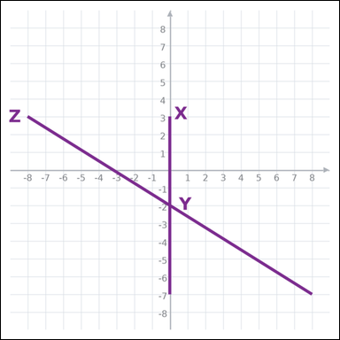 | 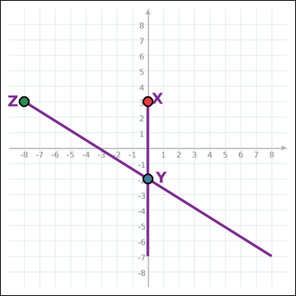 | task_geometry_measurement_angle | intersection_angle | Look at the graph-paper image showing two intersecting line segments. What is the measure of angle XYZ in degrees? Write the angle measure rounded to the nearest integer. Return a valid JSON object with keys "evidence" and "answer" in that order. Evidence field: set "evidence" to an array of exactly three graph-paper points for the queried angle: the vertex and the two ray endpoints. Answer field: set "answer" to the angle value rounded to the nearest integer. Example JSON: {"evidence":[[0,2],[0,0],[3,0]],"answer":90} | Look at the graph-paper image showing two intersecting line segments. What is the measure of angle XYZ in degrees? Write the angle measure rounded to the nearest integer. Return a valid JSON object with key "answer". Answer format: set "answer" to the angle value rounded to the nearest integer. Example JSON: {"answer":45} | {"evidence": [[0, 3], [0, -2], [-8, 3]], "answer": 58} | [[0, 3], [0, -2], [-8, 3]] | integer | graph_point_set | 703636629389943 | geometry/task_geometry_measurement_angle/images/intersection_angle/0020.png | geometry/task_geometry_measurement_angle/data/intersection_angle/0020.json
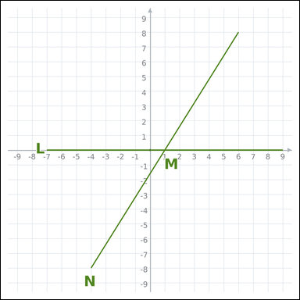 | 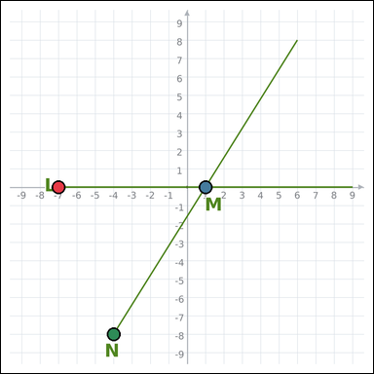 | task_geometry_measurement_angle | intersection_angle | The graph-paper image shows two intersecting line segments. What is the measure of angle LMN in degrees? Round the angle measure to the nearest integer. Return a valid JSON object with keys "evidence" and "answer" in that order. Evidence field: set "evidence" to an array of exactly three graph-paper points for the queried angle: the vertex and the two ray endpoints. Answer field: set "answer" to the angle value rounded to the nearest integer. Example JSON: {"evidence":[[0,2],[0,0],[3,0]],"answer":90} | The graph-paper image shows two intersecting line segments. What is the measure of angle LMN in degrees? Round the angle measure to the nearest integer. Return a valid JSON object with key "answer". Answer format: set "answer" to the angle value rounded to the nearest integer. Example JSON: {"answer":45} | {"evidence": [[-7, 0], [1, 0], [-4, -8]], "answer": 58} | [[-7, 0], [1, 0], [-4, -8]] | integer | graph_point_set | 976977851885973 | geometry/task_geometry_measurement_angle/images/intersection_angle/0017.png | geometry/task_geometry_measurement_angle/data/intersection_angle/0017.json
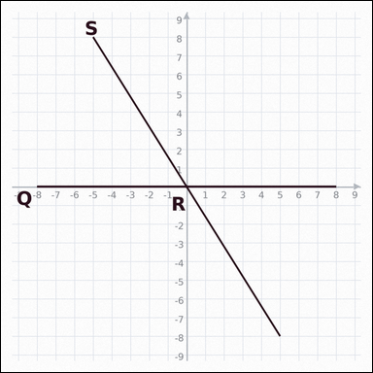 | 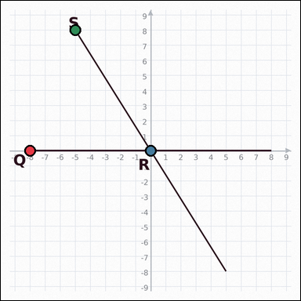 | task_geometry_measurement_angle | intersection_angle | Work from the graph-paper image showing two intersecting line segments. What is the measure of angle QRS in degrees? Provide the angle measure to the nearest integer. Return a valid JSON object with keys "evidence" and "answer" in that order. Evidence: set "evidence" to an array of exactly three graph-paper points for the queried angle: the vertex and the two ray endpoints. Answer: set "answer" to the angle value rounded to the nearest integer. Example JSON: {"evidence":[[0,2],[0,0],[3,0]],"answer":90} | Work from the graph-paper image showing two intersecting line segments. What is the measure of angle QRS in degrees? Provide the angle measure to the nearest integer. Return a valid JSON object with key "answer". Answer field: set "answer" to the angle value rounded to the nearest integer. Example JSON: {"answer":45} | {"evidence": [[-8, 0], [0, 0], [-5, 8]], "answer": 58} | [[-8, 0], [0, 0], [-5, 8]] | integer | graph_point_set | 1.0951517392E+15 | geometry/task_geometry_measurement_angle/images/intersection_angle/0015.png | geometry/task_geometry_measurement_angle/data/intersection_angle/0015.json
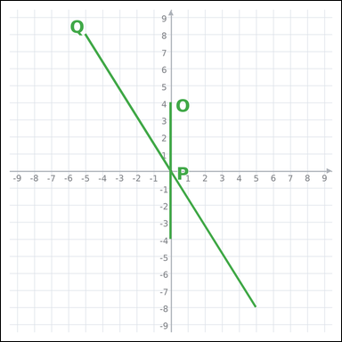 | 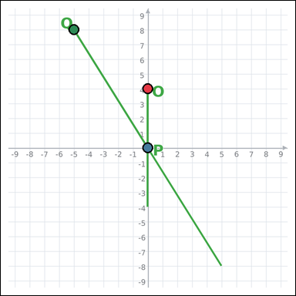 | task_geometry_measurement_angle | intersection_angle | Use the graph-paper diagram showing two intersecting line segments. What is the measure of angle OPQ in degrees? Write the angle measure rounded to the nearest integer. Return a valid JSON object with keys "evidence" and "answer" in that order. Evidence rule: set "evidence" to an array of exactly three graph-paper points for the queried angle: the vertex and the two ray endpoints. Answer rule: set "answer" to the angle value rounded to the nearest integer. Example JSON: {"evidence":[[0,2],[0,0],[3,0]],"answer":90} | Use the graph-paper diagram showing two intersecting line segments. What is the measure of angle OPQ in degrees? Write the angle measure rounded to the nearest integer. Return a valid JSON object with key "answer". Answer format: set "answer" to the angle value rounded to the nearest integer. Example JSON: {"answer":45} | {"evidence": [[0, 4], [0, 0], [-5, 8]], "answer": 32} | [[0, 4], [0, 0], [-5, 8]] | integer | graph_point_set | 1.1812287624E+15 | geometry/task_geometry_measurement_angle/images/intersection_angle/0009.png | geometry/task_geometry_measurement_angle/data/intersection_angle/0009.json
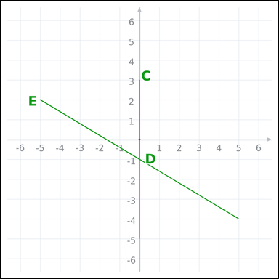 | 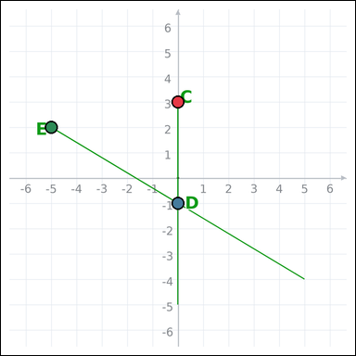 | task_geometry_measurement_angle | intersection_angle | You are given a graph-paper image showing two intersecting line segments. What is the measure of angle CDE in degrees? State the angle measure to the nearest integer. Return a valid JSON object with keys "evidence" and "answer" in that order. Evidence requirement: set "evidence" to an array of exactly three graph-paper points for the queried angle: the vertex and the two ray endpoints. Answer format: set "answer" to the angle value rounded to the nearest integer. Example JSON: {"evidence":[[0,2],[0,0],[3,0]],"answer":90} | You are given a graph-paper image showing two intersecting line segments. What is the measure of angle CDE in degrees? State the angle measure to the nearest integer. Return a valid JSON object with key "answer". Answer rule: set "answer" to the angle value rounded to the nearest integer. Example JSON: {"answer":45} | {"evidence": [[0, 3], [0, -1], [-5, 2]], "answer": 59} | [[0, 3], [0, -1], [-5, 2]] | integer | graph_point_set | 1.4264012754E+15 | geometry/task_geometry_measurement_angle/images/intersection_angle/0021.png | geometry/task_geometry_measurement_angle/data/intersection_angle/0021.json
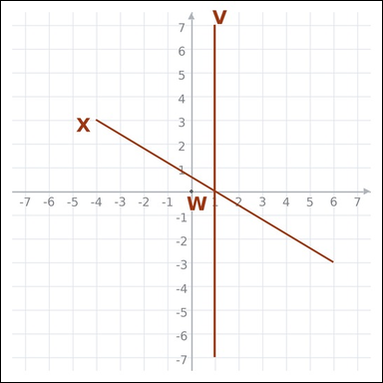 | 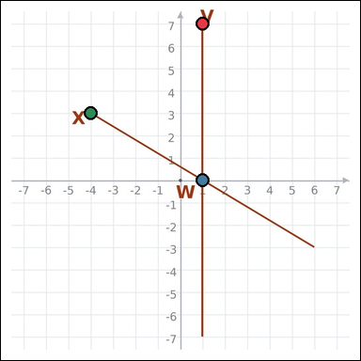 | task_geometry_measurement_angle | intersection_angle | Work from the graph-paper image showing two intersecting line segments. What is the measure of angle VWX in degrees? Provide the angle measure to the nearest integer. Return a valid JSON object with keys "evidence" and "answer" in that order. Evidence requirement: set "evidence" to an array of exactly three graph-paper points for the queried angle: the vertex and the two ray endpoints. Answer format: set "answer" to the angle value rounded to the nearest integer. Example JSON: {"evidence":[[0,2],[0,0],[3,0]],"answer":90} | Work from the graph-paper image showing two intersecting line segments. What is the measure of angle VWX in degrees? Provide the angle measure to the nearest integer. Return a valid JSON object with key "answer". Answer format: set "answer" to the angle value rounded to the nearest integer. Example JSON: {"answer":45} | {"evidence": [[1, 7], [1, 0], [-4, 3]], "answer": 59} | [[1, 7], [1, 0], [-4, 3]] | integer | graph_point_set | 2.104034928E+15 | geometry/task_geometry_measurement_angle/images/intersection_angle/0019.png | geometry/task_geometry_measurement_angle/data/intersection_angle/0019.json
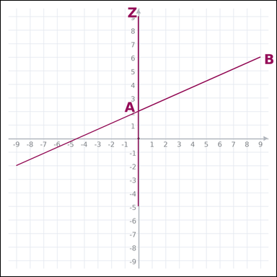 | 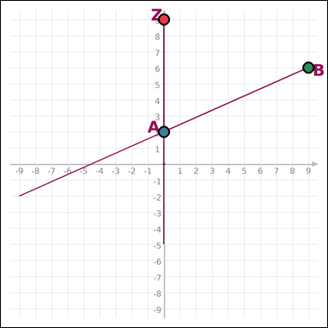 | task_geometry_measurement_angle | intersection_angle | Look at the graph-paper image showing two intersecting line segments. What is the measure of angle ZAB in degrees? Give the angle measure to the nearest integer. Return a valid JSON object with keys "evidence" and "answer" in that order. Evidence: set "evidence" to an array of exactly three graph-paper points for the queried angle: the vertex and the two ray endpoints. Answer: set "answer" to the angle value rounded to the nearest integer. Example JSON: {"evidence":[[0,2],[0,0],[3,0]],"answer":90} | Look at the graph-paper image showing two intersecting line segments. What is the measure of angle ZAB in degrees? Give the angle measure to the nearest integer. Return a valid JSON object with key "answer". Answer format: set "answer" to the angle value rounded to the nearest integer. Example JSON: {"answer":45} | {"evidence": [[0, 9], [0, 2], [9, 6]], "answer": 66} | [[0, 9], [0, 2], [9, 6]] | integer | graph_point_set | 2.4315525594E+15 | geometry/task_geometry_measurement_angle/images/intersection_angle/0012.png | geometry/task_geometry_measurement_angle/data/intersection_angle/0012.json
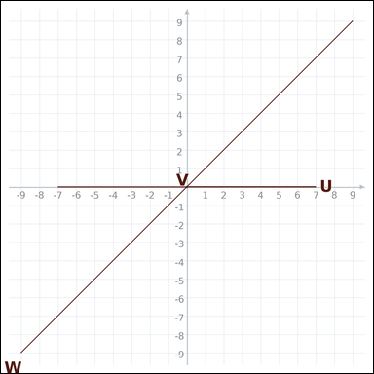 | 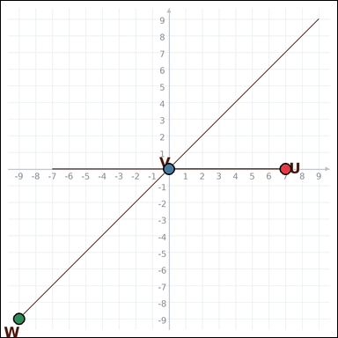 | task_geometry_measurement_angle | intersection_angle | Work from the graph-paper image showing two intersecting line segments. What is the measure of angle UVW in degrees? Write the angle measure rounded to the nearest integer. Return a valid JSON object with keys "evidence" and "answer" in that order. Evidence rule: set "evidence" to an array of exactly three graph-paper points for the queried angle: the vertex and the two ray endpoints. Answer rule: set "answer" to the angle value rounded to the nearest integer. Example JSON: {"evidence":[[0,2],[0,0],[3,0]],"answer":90} | Work from the graph-paper image showing two intersecting line segments. What is the measure of angle UVW in degrees? Write the angle measure rounded to the nearest integer. Return a valid JSON object with key "answer". Answer format: set "answer" to the angle value rounded to the nearest integer. Example JSON: {"answer":45} | {"evidence": [[7, 0], [0, 0], [-9, -9]], "answer": 135} | [[7, 0], [0, 0], [-9, -9]] | integer | graph_point_set | 2.8467050301E+15 | geometry/task_geometry_measurement_angle/images/intersection_angle/0002.png | geometry/task_geometry_measurement_angle/data/intersection_angle/0002.json
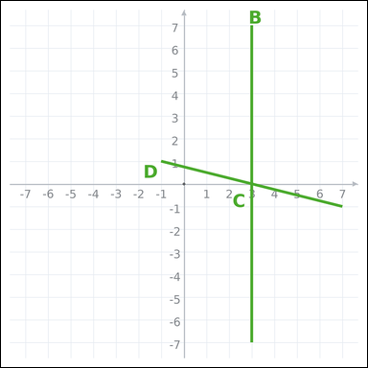 | 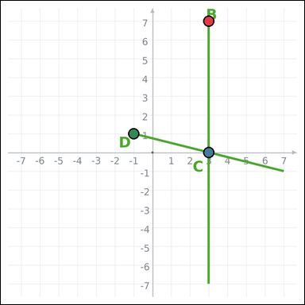 | task_geometry_measurement_angle | intersection_angle | Look at the graph-paper image showing two intersecting line segments. What is the measure of angle BCD in degrees? Give the angle measure to the nearest integer. Return a valid JSON object with keys "evidence" and "answer" in that order. Evidence: set "evidence" to an array of exactly three graph-paper points for the queried angle: the vertex and the two ray endpoints. Answer: set "answer" to the angle value rounded to the nearest integer. Example JSON: {"evidence":[[0,2],[0,0],[3,0]],"answer":90} | Look at the graph-paper image showing two intersecting line segments. What is the measure of angle BCD in degrees? Give the angle measure to the nearest integer. Return a valid JSON object with key "answer". Answer format: set "answer" to the angle value rounded to the nearest integer. Example JSON: {"answer":45} | {"evidence": [[3, 7], [3, 0], [-1, 1]], "answer": 76} | [[3, 7], [3, 0], [-1, 1]] | integer | graph_point_set | 2.99068842E+15 | geometry/task_geometry_measurement_angle/images/intersection_angle/0022.png | geometry/task_geometry_measurement_angle/data/intersection_angle/0022.json
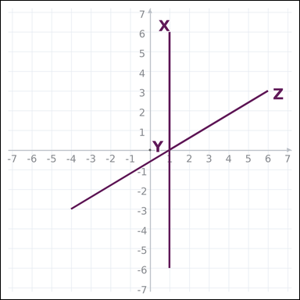 | 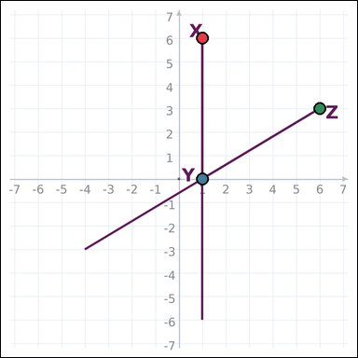 | task_geometry_measurement_angle | intersection_angle | The graph-paper image shows two intersecting line segments. What is the measure of angle XYZ in degrees? Give the angle measure to the nearest integer. Return a valid JSON object with keys "evidence" and "answer" in that order. Evidence format: set "evidence" to an array of exactly three graph-paper points for the queried angle: the vertex and the two ray endpoints. Answer requirement: set "answer" to the angle value rounded to the nearest integer. Example JSON: {"evidence":[[0,2],[0,0],[3,0]],"answer":90} | The graph-paper image shows two intersecting line segments. What is the measure of angle XYZ in degrees? Give the angle measure to the nearest integer. Return a valid JSON object with key "answer". Answer: set "answer" to the angle value rounded to the nearest integer. Example JSON: {"answer":45} | {"evidence": [[1, 6], [1, 0], [6, 3]], "answer": 59} | [[1, 6], [1, 0], [6, 3]] | integer | graph_point_set | 3.1901288835E+15 | geometry/task_geometry_measurement_angle/images/intersection_angle/0016.png | geometry/task_geometry_measurement_angle/data/intersection_angle/0016.json
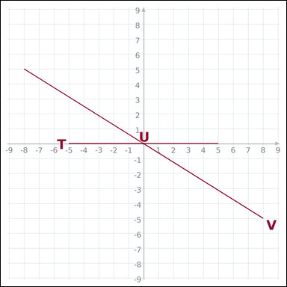 | 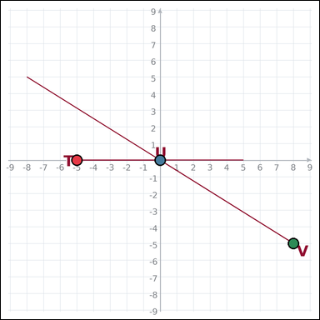 | task_geometry_measurement_angle | intersection_angle | The graph-paper image shows two intersecting line segments. What is the measure of angle TUV in degrees? Give the angle measure to the nearest integer. Return a valid JSON object with keys "evidence" and "answer" in that order. Evidence field: set "evidence" to an array of exactly three graph-paper points for the queried angle: the vertex and the two ray endpoints. Answer field: set "answer" to the angle value rounded to the nearest integer. Example JSON: {"evidence":[[0,2],[0,0],[3,0]],"answer":90} | The graph-paper image shows two intersecting line segments. What is the measure of angle TUV in degrees? Give the angle measure to the nearest integer. Return a valid JSON object with key "answer". Answer: set "answer" to the angle value rounded to the nearest integer. Example JSON: {"answer":45} | {"evidence": [[-5, 0], [0, 0], [8, -5]], "answer": 148} | [[-5, 0], [0, 0], [8, -5]] | integer | graph_point_set | 3.6740111426E+15 | geometry/task_geometry_measurement_angle/images/intersection_angle/0003.png | geometry/task_geometry_measurement_angle/data/intersection_angle/0003.json
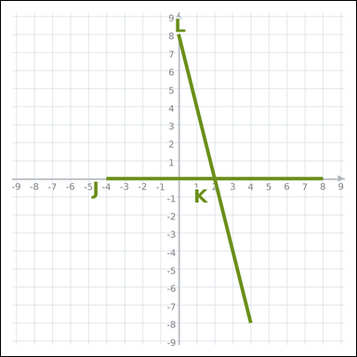 | 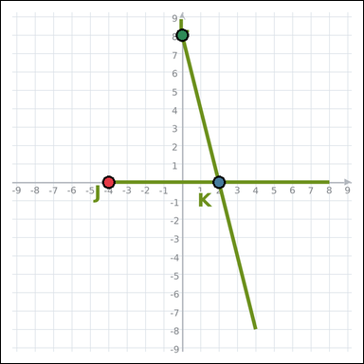 | task_geometry_measurement_angle | intersection_angle | Use the graph-paper diagram showing two intersecting line segments. What is the measure of angle JKL in degrees? Round the angle measure to the nearest integer. Return a valid JSON object with keys "evidence" and "answer" in that order. Evidence requirement: set "evidence" to an array of exactly three graph-paper points for the queried angle: the vertex and the two ray endpoints. Answer format: set "answer" to the angle value rounded to the nearest integer. Example JSON: {"evidence":[[0,2],[0,0],[3,0]],"answer":90} | Use the graph-paper diagram showing two intersecting line segments. What is the measure of angle JKL in degrees? Round the angle measure to the nearest integer. Return a valid JSON object with key "answer". Answer rule: set "answer" to the angle value rounded to the nearest integer. Example JSON: {"answer":45} | {"evidence": [[-4, 0], [2, 0], [0, 8]], "answer": 76} | [[-4, 0], [2, 0], [0, 8]] | integer | graph_point_set | 3.7508320263E+15 | geometry/task_geometry_measurement_angle/images/intersection_angle/0023.png | geometry/task_geometry_measurement_angle/data/intersection_angle/0023.json
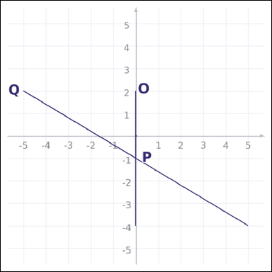 | 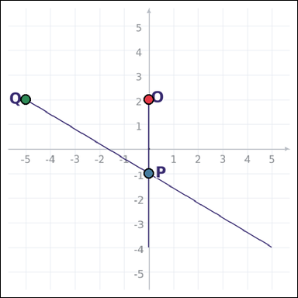 | task_geometry_measurement_angle | intersection_angle | Use the graph-paper diagram showing two intersecting line segments. What is the measure of angle OPQ in degrees? State the angle measure to the nearest integer. Return a valid JSON object with keys "evidence" and "answer" in that order. Evidence rule: set "evidence" to an array of exactly three graph-paper points for the queried angle: the vertex and the two ray endpoints. Answer rule: set "answer" to the angle value rounded to the nearest integer. Example JSON: {"evidence":[[0,2],[0,0],[3,0]],"answer":90} | Use the graph-paper diagram showing two intersecting line segments. What is the measure of angle OPQ in degrees? State the angle measure to the nearest integer. Return a valid JSON object with key "answer". Answer rule: set "answer" to the angle value rounded to the nearest integer. Example JSON: {"answer":45} | {"evidence": [[0, 2], [0, -1], [-5, 2]], "answer": 59} | [[0, 2], [0, -1], [-5, 2]] | integer | graph_point_set | 3.9022782678E+15 | geometry/task_geometry_measurement_angle/images/intersection_angle/0006.png | geometry/task_geometry_measurement_angle/data/intersection_angle/0006.json
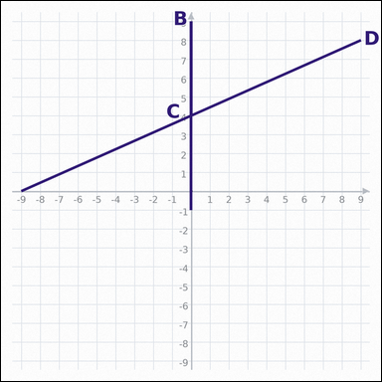 | 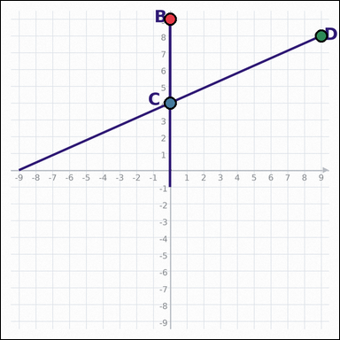 | task_geometry_measurement_angle | intersection_angle | Use the graph-paper diagram showing two intersecting line segments. What is the measure of angle BCD in degrees? Give the angle measure to the nearest integer. Return a valid JSON object with keys "evidence" and "answer" in that order. Evidence field: set "evidence" to an array of exactly three graph-paper points for the queried angle: the vertex and the two ray endpoints. Answer field: set "answer" to the angle value rounded to the nearest integer. Example JSON: {"evidence":[[0,2],[0,0],[3,0]],"answer":90} | Use the graph-paper diagram showing two intersecting line segments. What is the measure of angle BCD in degrees? Give the angle measure to the nearest integer. Return a valid JSON object with key "answer". Answer: set "answer" to the angle value rounded to the nearest integer. Example JSON: {"answer":45} | {"evidence": [[0, 9], [0, 4], [9, 8]], "answer": 66} | [[0, 9], [0, 4], [9, 8]] | integer | graph_point_set | 4.5803629242E+15 | geometry/task_geometry_measurement_angle/images/intersection_angle/0010.png | geometry/task_geometry_measurement_angle/data/intersection_angle/0010.json
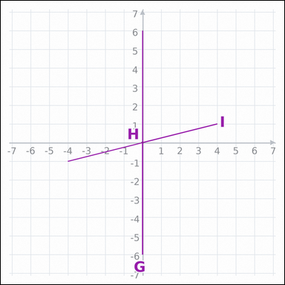 | 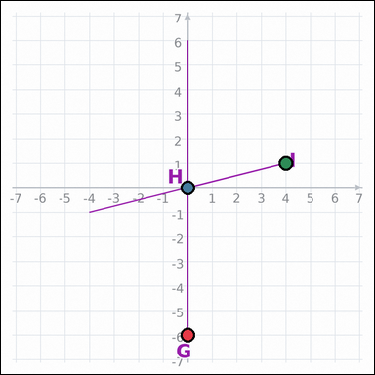 | task_geometry_measurement_angle | intersection_angle | Look at the graph-paper image showing two intersecting line segments. What is the measure of angle GHI in degrees? Write the angle measure rounded to the nearest integer. Return a valid JSON object with keys "evidence" and "answer" in that order. Evidence format: set "evidence" to an array of exactly three graph-paper points for the queried angle: the vertex and the two ray endpoints. Answer requirement: set "answer" to the angle value rounded to the nearest integer. Example JSON: {"evidence":[[0,2],[0,0],[3,0]],"answer":90} | Look at the graph-paper image showing two intersecting line segments. What is the measure of angle GHI in degrees? Write the angle measure rounded to the nearest integer. Return a valid JSON object with key "answer". Answer rule: set "answer" to the angle value rounded to the nearest integer. Example JSON: {"answer":45} | {"evidence": [[0, -6], [0, 0], [4, 1]], "answer": 104} | [[0, -6], [0, 0], [4, 1]] | integer | graph_point_set | 5.1716342391E+15 | geometry/task_geometry_measurement_angle/images/intersection_angle/0007.png | geometry/task_geometry_measurement_angle/data/intersection_angle/0007.json
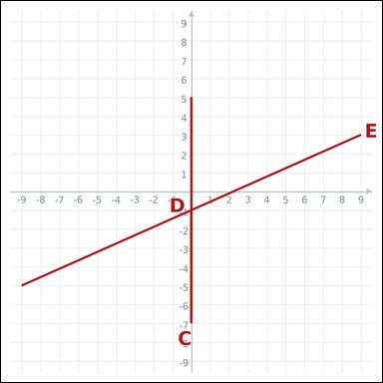 | 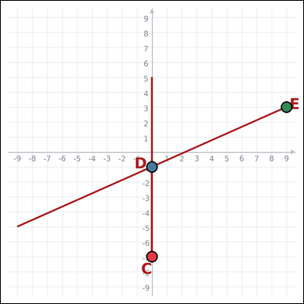 | task_geometry_measurement_angle | intersection_angle | Look at the graph-paper image showing two intersecting line segments. What is the measure of angle CDE in degrees? Give the angle measure to the nearest integer. Return a valid JSON object with keys "evidence" and "answer" in that order. Evidence rule: set "evidence" to an array of exactly three graph-paper points for the queried angle: the vertex and the two ray endpoints. Answer rule: set "answer" to the angle value rounded to the nearest integer. Example JSON: {"evidence":[[0,2],[0,0],[3,0]],"answer":90} | Look at the graph-paper image showing two intersecting line segments. What is the measure of angle CDE in degrees? Give the angle measure to the nearest integer. Return a valid JSON object with key "answer". Answer field: set "answer" to the angle value rounded to the nearest integer. Example JSON: {"answer":45} | {"evidence": [[0, -7], [0, -1], [9, 3]], "answer": 114} | [[0, -7], [0, -1], [9, 3]] | integer | graph_point_set | 5.2338571497E+15 | geometry/task_geometry_measurement_angle/images/intersection_angle/0008.png | geometry/task_geometry_measurement_angle/data/intersection_angle/0008.json
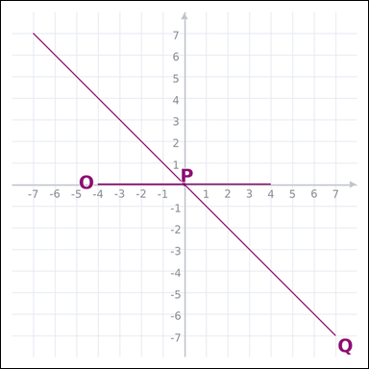 | 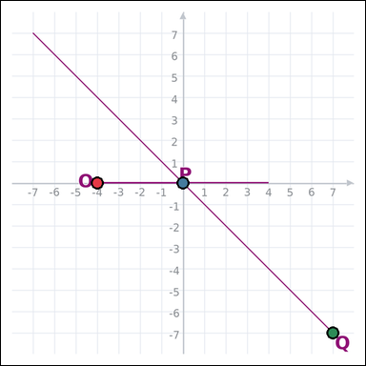 | task_geometry_measurement_angle | intersection_angle | The graph-paper image shows two intersecting line segments. What is the measure of angle OPQ in degrees? Provide the angle measure to the nearest integer. Return a valid JSON object with keys "evidence" and "answer" in that order. Evidence format: set "evidence" to an array of exactly three graph-paper points for the queried angle: the vertex and the two ray endpoints. Answer requirement: set "answer" to the angle value rounded to the nearest integer. Example JSON: {"evidence":[[0,2],[0,0],[3,0]],"answer":90} | The graph-paper image shows two intersecting line segments. What is the measure of angle OPQ in degrees? Provide the angle measure to the nearest integer. Return a valid JSON object with key "answer". Answer rule: set "answer" to the angle value rounded to the nearest integer. Example JSON: {"answer":45} | {"evidence": [[-4, 0], [0, 0], [7, -7]], "answer": 135} | [[-4, 0], [0, 0], [7, -7]] | integer | graph_point_set | 5.3026082741E+15 | geometry/task_geometry_measurement_angle/images/intersection_angle/0001.png | geometry/task_geometry_measurement_angle/data/intersection_angle/0001.json
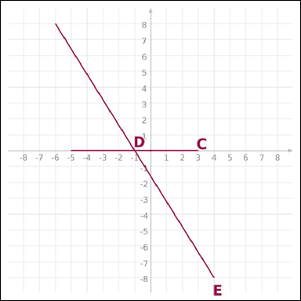 | 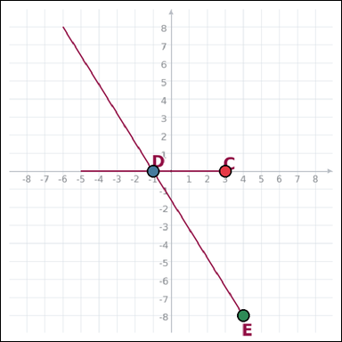 | task_geometry_measurement_angle | intersection_angle | Use the graph-paper diagram showing two intersecting line segments. What is the measure of angle CDE in degrees? Provide the angle measure to the nearest integer. Return a valid JSON object with keys "evidence" and "answer" in that order. Evidence field: set "evidence" to an array of exactly three graph-paper points for the queried angle: the vertex and the two ray endpoints. Answer field: set "answer" to the angle value rounded to the nearest integer. Example JSON: {"evidence":[[0,2],[0,0],[3,0]],"answer":90} | Use the graph-paper diagram showing two intersecting line segments. What is the measure of angle CDE in degrees? Provide the angle measure to the nearest integer. Return a valid JSON object with key "answer". Answer rule: set "answer" to the angle value rounded to the nearest integer. Example JSON: {"answer":45} | {"evidence": [[3, 0], [-1, 0], [4, -8]], "answer": 58} | [[3, 0], [-1, 0], [4, -8]] | integer | graph_point_set | 5.4190110346E+15 | geometry/task_geometry_measurement_angle/images/intersection_angle/0024.png | geometry/task_geometry_measurement_angle/data/intersection_angle/0024.json
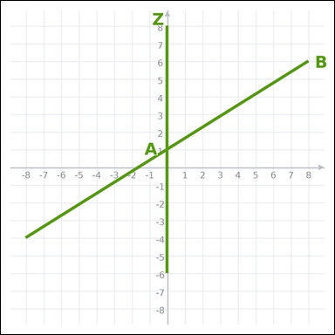 | 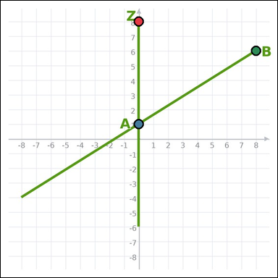 | task_geometry_measurement_angle | intersection_angle | The graph-paper image shows two intersecting line segments. What is the measure of angle ZAB in degrees? Give the angle measure to the nearest integer. Return a valid JSON object with keys "evidence" and "answer" in that order. Evidence format: set "evidence" to an array of exactly three graph-paper points for the queried angle: the vertex and the two ray endpoints. Answer requirement: set "answer" to the angle value rounded to the nearest integer. Example JSON: {"evidence":[[0,2],[0,0],[3,0]],"answer":90} | The graph-paper image shows two intersecting line segments. What is the measure of angle ZAB in degrees? Give the angle measure to the nearest integer. Return a valid JSON object with key "answer". Answer: set "answer" to the angle value rounded to the nearest integer. Example JSON: {"answer":45} | {"evidence": [[0, 8], [0, 1], [8, 6]], "answer": 58} | [[0, 8], [0, 1], [8, 6]] | integer | graph_point_set | 5.8043231702E+15 | geometry/task_geometry_measurement_angle/images/intersection_angle/0000.png | geometry/task_geometry_measurement_angle/data/intersection_angle/0000.json
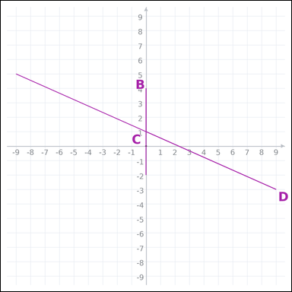 | 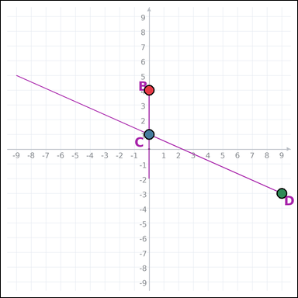 | task_geometry_measurement_angle | intersection_angle | The graph-paper image shows two intersecting line segments. What is the measure of angle BCD in degrees? Write the angle measure rounded to the nearest integer. Return a valid JSON object with keys "evidence" and "answer" in that order. Evidence: set "evidence" to an array of exactly three graph-paper points for the queried angle: the vertex and the two ray endpoints. Answer: set "answer" to the angle value rounded to the nearest integer. Example JSON: {"evidence":[[0,2],[0,0],[3,0]],"answer":90} | The graph-paper image shows two intersecting line segments. What is the measure of angle BCD in degrees? Write the angle measure rounded to the nearest integer. Return a valid JSON object with key "answer". Answer format: set "answer" to the angle value rounded to the nearest integer. Example JSON: {"answer":45} | {"evidence": [[0, 4], [0, 1], [9, -3]], "answer": 114} | [[0, 4], [0, 1], [9, -3]] | integer | graph_point_set | 6.1122757586E+15 | geometry/task_geometry_measurement_angle/images/intersection_angle/0004.png | geometry/task_geometry_measurement_angle/data/intersection_angle/0004.json
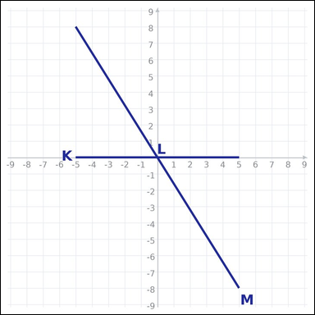 | 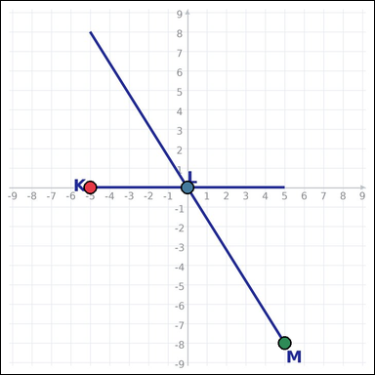 | task_geometry_measurement_angle | intersection_angle | Work from the graph-paper image showing two intersecting line segments. What is the measure of angle KLM in degrees? Give the angle measure to the nearest integer. Return a valid JSON object with keys "evidence" and "answer" in that order. Evidence: set "evidence" to an array of exactly three graph-paper points for the queried angle: the vertex and the two ray endpoints. Answer: set "answer" to the angle value rounded to the nearest integer. Example JSON: {"evidence":[[0,2],[0,0],[3,0]],"answer":90} | Work from the graph-paper image showing two intersecting line segments. What is the measure of angle KLM in degrees? Give the angle measure to the nearest integer. Return a valid JSON object with key "answer". Answer requirement: set "answer" to the angle value rounded to the nearest integer. Example JSON: {"answer":45} | {"evidence": [[-5, 0], [0, 0], [5, -8]], "answer": 122} | [[-5, 0], [0, 0], [5, -8]] | integer | graph_point_set | 6.4818763372E+15 | geometry/task_geometry_measurement_angle/images/intersection_angle/0013.png | geometry/task_geometry_measurement_angle/data/intersection_angle/0013.json
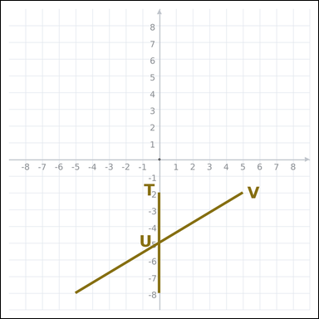 | 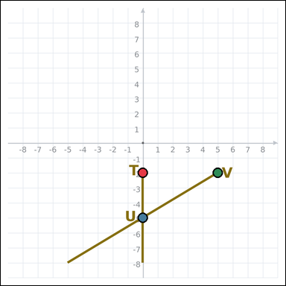 | task_geometry_measurement_angle | intersection_angle | Work from the graph-paper image showing two intersecting line segments. What is the measure of angle TUV in degrees? Provide the angle measure to the nearest integer. Return a valid JSON object with keys "evidence" and "answer" in that order. Evidence format: set "evidence" to an array of exactly three graph-paper points for the queried angle: the vertex and the two ray endpoints. Answer requirement: set "answer" to the angle value rounded to the nearest integer. Example JSON: {"evidence":[[0,2],[0,0],[3,0]],"answer":90} | Work from the graph-paper image showing two intersecting line segments. What is the measure of angle TUV in degrees? Provide the angle measure to the nearest integer. Return a valid JSON object with key "answer". Answer format: set "answer" to the angle value rounded to the nearest integer. Example JSON: {"answer":45} | {"evidence": [[0, -2], [0, -5], [5, -2]], "answer": 59} | [[0, -2], [0, -5], [5, -2]] | integer | graph_point_set | 6.8911657414E+15 | geometry/task_geometry_measurement_angle/images/intersection_angle/0018.png | geometry/task_geometry_measurement_angle/data/intersection_angle/0018.json
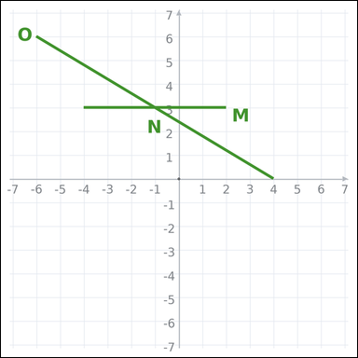 | 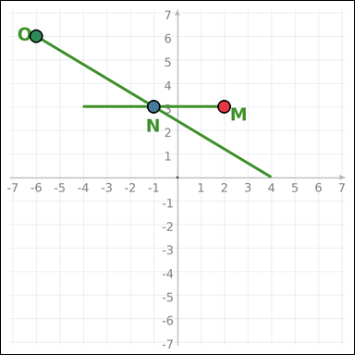 | task_geometry_measurement_angle | intersection_angle | Work from the graph-paper image showing two intersecting line segments. What is the measure of angle MNO in degrees? Round the angle measure to the nearest integer. Return a valid JSON object with keys "evidence" and "answer" in that order. Evidence field: set "evidence" to an array of exactly three graph-paper points for the queried angle: the vertex and the two ray endpoints. Answer field: set "answer" to the angle value rounded to the nearest integer. Example JSON: {"evidence":[[0,2],[0,0],[3,0]],"answer":90} | Work from the graph-paper image showing two intersecting line segments. What is the measure of angle MNO in degrees? Round the angle measure to the nearest integer. Return a valid JSON object with key "answer". Answer rule: set "answer" to the angle value rounded to the nearest integer. Example JSON: {"answer":45} | {"evidence": [[2, 3], [-1, 3], [-6, 6]], "answer": 149} | [[2, 3], [-1, 3], [-6, 6]] | integer | graph_point_set | 7.4378091439E+15 | geometry/task_geometry_measurement_angle/images/intersection_angle/0011.png | geometry/task_geometry_measurement_angle/data/intersection_angle/0011.json
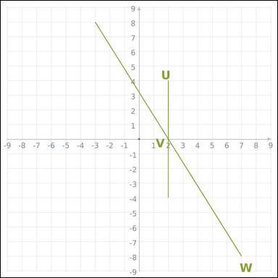 | 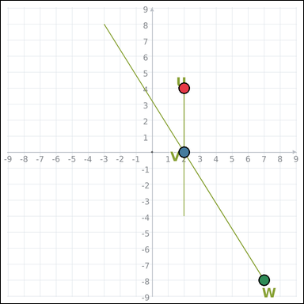 | task_geometry_measurement_angle | intersection_angle | Use the graph-paper diagram showing two intersecting line segments. What is the measure of angle UVW in degrees? Provide the angle measure to the nearest integer. Return a valid JSON object with keys "evidence" and "answer" in that order. Evidence field: set "evidence" to an array of exactly three graph-paper points for the queried angle: the vertex and the two ray endpoints. Answer field: set "answer" to the angle value rounded to the nearest integer. Example JSON: {"evidence":[[0,2],[0,0],[3,0]],"answer":90} | Use the graph-paper diagram showing two intersecting line segments. What is the measure of angle UVW in degrees? Provide the angle measure to the nearest integer. Return a valid JSON object with key "answer". Answer: set "answer" to the angle value rounded to the nearest integer. Example JSON: {"answer":45} | {"evidence": [[2, 4], [2, 0], [7, -8]], "answer": 148} | [[2, 4], [2, 0], [7, -8]] | integer | graph_point_set | 8.8727786022E+15 | geometry/task_geometry_measurement_angle/images/intersection_angle/0014.png | geometry/task_geometry_measurement_angle/data/intersection_angle/0014.json
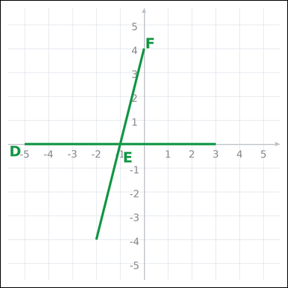 | 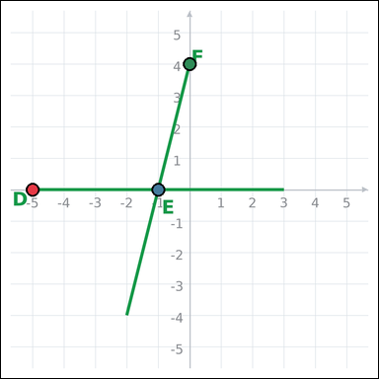 | task_geometry_measurement_angle | intersection_angle | You are given a graph-paper image showing two intersecting line segments. What is the measure of angle DEF in degrees? Give the angle measure to the nearest integer. Return a valid JSON object with keys "evidence" and "answer" in that order. Evidence field: set "evidence" to an array of exactly three graph-paper points for the queried angle: the vertex and the two ray endpoints. Answer field: set "answer" to the angle value rounded to the nearest integer. Example JSON: {"evidence":[[0,2],[0,0],[3,0]],"answer":90} | You are given a graph-paper image showing two intersecting line segments. What is the measure of angle DEF in degrees? Give the angle measure to the nearest integer. Return a valid JSON object with key "answer". Answer requirement: set "answer" to the angle value rounded to the nearest integer. Example JSON: {"answer":45} | {"evidence": [[-5, 0], [-1, 0], [0, 4]], "answer": 104} | [[-5, 0], [-1, 0], [0, 4]] | integer | graph_point_set | 8.9226426257E+15 | geometry/task_geometry_measurement_angle/images/intersection_angle/0005.png | geometry/task_geometry_measurement_angle/data/intersection_angle/0005.json

primitive_angle
image | evidence_image | task | task_variant | prompt | prompt_answer_only | answer | answer_evidence | answer_type | evidence_type | instance_seed | image_path | data_path
 |  | task_geometry_measurement_angle | primitive_angle | Use the graph-paper diagram showing a labeled angle. What is the measure of angle FMN in degrees? State the angle measure to the nearest integer. Return a valid JSON object with keys "evidence" and "answer" in that order. Evidence format: set "evidence" to an array of exactly three graph-paper points for the queried angle: the vertex and the two ray endpoints. Answer requirement: set "answer" to the angle value rounded to the nearest integer. Example JSON: {"evidence":[[0,2],[0,0],[3,0]],"answer":90} | Use the graph-paper diagram showing a labeled angle. What is the measure of angle FMN in degrees? State the angle measure to the nearest integer. Return a valid JSON object with key "answer". Answer format: set "answer" to the angle value rounded to the nearest integer. Example JSON: {"answer":45} | {"evidence": [[-3, -2], [-3, 0], [2, 3]], "answer": 121} | [[-3, -2], [-3, 0], [2, 3]] | integer | graph_point_set | 179972836264040 | geometry/task_geometry_measurement_angle/images/primitive_angle/0002.png | geometry/task_geometry_measurement_angle/data/primitive_angle/0002.json
 |  | task_geometry_measurement_angle | primitive_angle | Look at the graph-paper image showing a labeled angle. What is the measure of angle LSV in degrees? Give the angle measure to the nearest integer. Return a valid JSON object with keys "evidence" and "answer" in that order. Evidence: set "evidence" to an array of exactly three graph-paper points for the queried angle: the vertex and the two ray endpoints. Answer: set "answer" to the angle value rounded to the nearest integer. Example JSON: {"evidence":[[0,2],[0,0],[3,0]],"answer":90} | Look at the graph-paper image showing a labeled angle. What is the measure of angle LSV in degrees? Give the angle measure to the nearest integer. Return a valid JSON object with key "answer". Answer field: set "answer" to the angle value rounded to the nearest integer. Example JSON: {"answer":45} | {"evidence": [[-2, 1], [2, 1], [-3, -2]], "answer": 31} | [[-2, 1], [2, 1], [-3, -2]] | integer | graph_point_set | 1.066182299E+15 | geometry/task_geometry_measurement_angle/images/primitive_angle/0004.png | geometry/task_geometry_measurement_angle/data/primitive_angle/0004.json
 |  | task_geometry_measurement_angle | primitive_angle | Use the graph-paper diagram showing a labeled angle. What is the measure of angle EJZ in degrees? State the angle measure to the nearest integer. Return a valid JSON object with keys "evidence" and "answer" in that order. Evidence field: set "evidence" to an array of exactly three graph-paper points for the queried angle: the vertex and the two ray endpoints. Answer field: set "answer" to the angle value rounded to the nearest integer. Example JSON: {"evidence":[[0,2],[0,0],[3,0]],"answer":90} | Use the graph-paper diagram showing a labeled angle. What is the measure of angle EJZ in degrees? State the angle measure to the nearest integer. Return a valid JSON object with key "answer". Answer field: set "answer" to the angle value rounded to the nearest integer. Example JSON: {"answer":45} | {"evidence": [[-6, -6], [-4, -6], [6, 3]], "answer": 138} | [[-6, -6], [-4, -6], [6, 3]] | integer | graph_point_set | 1.1393072061E+15 | geometry/task_geometry_measurement_angle/images/primitive_angle/0019.png | geometry/task_geometry_measurement_angle/data/primitive_angle/0019.json
 |  | task_geometry_measurement_angle | primitive_angle | You are given a graph-paper image showing a labeled angle. What is the measure of angle JTY in degrees? State the angle measure to the nearest integer. Return a valid JSON object with keys "evidence" and "answer" in that order. Evidence field: set "evidence" to an array of exactly three graph-paper points for the queried angle: the vertex and the two ray endpoints. Answer field: set "answer" to the angle value rounded to the nearest integer. Example JSON: {"evidence":[[0,2],[0,0],[3,0]],"answer":90} | You are given a graph-paper image showing a labeled angle. What is the measure of angle JTY in degrees? State the angle measure to the nearest integer. Return a valid JSON object with key "answer". Answer field: set "answer" to the angle value rounded to the nearest integer. Example JSON: {"answer":45} | {"evidence": [[-3, 3], [-3, -3], [2, -3]], "answer": 90} | [[-3, 3], [-3, -3], [2, -3]] | integer | graph_point_set | 1.3883453383E+15 | geometry/task_geometry_measurement_angle/images/primitive_angle/0010.png | geometry/task_geometry_measurement_angle/data/primitive_angle/0010.json
 |  | task_geometry_measurement_angle | primitive_angle | You are given a graph-paper image showing a labeled angle. What is the measure of angle ORY in degrees? Provide the angle measure to the nearest integer. Return a valid JSON object with keys "evidence" and "answer" in that order. Evidence format: set "evidence" to an array of exactly three graph-paper points for the queried angle: the vertex and the two ray endpoints. Answer requirement: set "answer" to the angle value rounded to the nearest integer. Example JSON: {"evidence":[[0,2],[0,0],[3,0]],"answer":90} | You are given a graph-paper image showing a labeled angle. What is the measure of angle ORY in degrees? Provide the angle measure to the nearest integer. Return a valid JSON object with key "answer". Answer rule: set "answer" to the angle value rounded to the nearest integer. Example JSON: {"answer":45} | {"evidence": [[3, -7], [3, -5], [-5, 6]], "answer": 144} | [[3, -7], [3, -5], [-5, 6]] | integer | graph_point_set | 1.4607431353E+15 | geometry/task_geometry_measurement_angle/images/primitive_angle/0018.png | geometry/task_geometry_measurement_angle/data/primitive_angle/0018.json
 |  | task_geometry_measurement_angle | primitive_angle | Use the graph-paper diagram showing a labeled angle. What is the measure of angle CHJ in degrees? Write the angle measure rounded to the nearest integer. Return a valid JSON object with keys "evidence" and "answer" in that order. Evidence format: set "evidence" to an array of exactly three graph-paper points for the queried angle: the vertex and the two ray endpoints. Answer requirement: set "answer" to the angle value rounded to the nearest integer. Example JSON: {"evidence":[[0,2],[0,0],[3,0]],"answer":90} | Use the graph-paper diagram showing a labeled angle. What is the measure of angle CHJ in degrees? Write the angle measure rounded to the nearest integer. Return a valid JSON object with key "answer". Answer: set "answer" to the angle value rounded to the nearest integer. Example JSON: {"answer":45} | {"evidence": [[-5, -6], [-5, -4], [2, 6]], "answer": 145} | [[-5, -6], [-5, -4], [2, 6]] | integer | graph_point_set | 1.6872803863E+15 | geometry/task_geometry_measurement_angle/images/primitive_angle/0020.png | geometry/task_geometry_measurement_angle/data/primitive_angle/0020.json
 |  | task_geometry_measurement_angle | primitive_angle | Look at the graph-paper image showing a labeled angle. What is the measure of angle BHT in degrees? Round the angle measure to the nearest integer. Return a valid JSON object with keys "evidence" and "answer" in that order. Evidence field: set "evidence" to an array of exactly three graph-paper points for the queried angle: the vertex and the two ray endpoints. Answer field: set "answer" to the angle value rounded to the nearest integer. Example JSON: {"evidence":[[0,2],[0,0],[3,0]],"answer":90} | Look at the graph-paper image showing a labeled angle. What is the measure of angle BHT in degrees? Round the angle measure to the nearest integer. Return a valid JSON object with key "answer". Answer format: set "answer" to the angle value rounded to the nearest integer. Example JSON: {"answer":45} | {"evidence": [[5, -4], [5, 0], [-4, 4]], "answer": 114} | [[5, -4], [5, 0], [-4, 4]] | integer | graph_point_set | 3.5824548878E+15 | geometry/task_geometry_measurement_angle/images/primitive_angle/0016.png | geometry/task_geometry_measurement_angle/data/primitive_angle/0016.json
 |  | task_geometry_measurement_angle | primitive_angle | Use the graph-paper diagram showing a labeled angle. What is the measure of angle CEV in degrees? Write the angle measure rounded to the nearest integer. Return a valid JSON object with keys "evidence" and "answer" in that order. Evidence format: set "evidence" to an array of exactly three graph-paper points for the queried angle: the vertex and the two ray endpoints. Answer requirement: set "answer" to the angle value rounded to the nearest integer. Example JSON: {"evidence":[[0,2],[0,0],[3,0]],"answer":90} | Use the graph-paper diagram showing a labeled angle. What is the measure of angle CEV in degrees? Write the angle measure rounded to the nearest integer. Return a valid JSON object with key "answer". Answer: set "answer" to the angle value rounded to the nearest integer. Example JSON: {"answer":45} | {"evidence": [[-2, 5], [1, 5], [5, -4]], "answer": 114} | [[-2, 5], [1, 5], [5, -4]] | integer | graph_point_set | 3.835106868E+15 | geometry/task_geometry_measurement_angle/images/primitive_angle/0023.png | geometry/task_geometry_measurement_angle/data/primitive_angle/0023.json
 |  | task_geometry_measurement_angle | primitive_angle | The graph-paper image shows a labeled angle. What is the measure of angle CRU in degrees? State the angle measure to the nearest integer. Return a valid JSON object with keys "evidence" and "answer" in that order. Evidence field: set "evidence" to an array of exactly three graph-paper points for the queried angle: the vertex and the two ray endpoints. Answer field: set "answer" to the angle value rounded to the nearest integer. Example JSON: {"evidence":[[0,2],[0,0],[3,0]],"answer":90} | The graph-paper image shows a labeled angle. What is the measure of angle CRU in degrees? State the angle measure to the nearest integer. Return a valid JSON object with key "answer". Answer field: set "answer" to the angle value rounded to the nearest integer. Example JSON: {"answer":45} | {"evidence": [[3, -1], [1, -1], [-3, 3]], "answer": 135} | [[3, -1], [1, -1], [-3, 3]] | integer | graph_point_set | 4.128305498E+15 | geometry/task_geometry_measurement_angle/images/primitive_angle/0013.png | geometry/task_geometry_measurement_angle/data/primitive_angle/0013.json
 |  | task_geometry_measurement_angle | primitive_angle | Use the graph-paper diagram showing a labeled angle. What is the measure of angle GQX in degrees? Round the angle measure to the nearest integer. Return a valid JSON object with keys "evidence" and "answer" in that order. Evidence rule: set "evidence" to an array of exactly three graph-paper points for the queried angle: the vertex and the two ray endpoints. Answer rule: set "answer" to the angle value rounded to the nearest integer. Example JSON: {"evidence":[[0,2],[0,0],[3,0]],"answer":90} | Use the graph-paper diagram showing a labeled angle. What is the measure of angle GQX in degrees? Round the angle measure to the nearest integer. Return a valid JSON object with key "answer". Answer: set "answer" to the angle value rounded to the nearest integer. Example JSON: {"answer":45} | {"evidence": [[1, 7], [1, 3], [-6, -7]], "answer": 145} | [[1, 7], [1, 3], [-6, -7]] | integer | graph_point_set | 4.1954283589E+15 | geometry/task_geometry_measurement_angle/images/primitive_angle/0005.png | geometry/task_geometry_measurement_angle/data/primitive_angle/0005.json
 |  | task_geometry_measurement_angle | primitive_angle | You are given a graph-paper image showing a labeled angle. What is the measure of angle PXZ in degrees? Provide the angle measure to the nearest integer. Return a valid JSON object with keys "evidence" and "answer" in that order. Evidence format: set "evidence" to an array of exactly three graph-paper points for the queried angle: the vertex and the two ray endpoints. Answer requirement: set "answer" to the angle value rounded to the nearest integer. Example JSON: {"evidence":[[0,2],[0,0],[3,0]],"answer":90} | You are given a graph-paper image showing a labeled angle. What is the measure of angle PXZ in degrees? Provide the angle measure to the nearest integer. Return a valid JSON object with key "answer". Answer requirement: set "answer" to the angle value rounded to the nearest integer. Example JSON: {"answer":45} | {"evidence": [[-5, -2], [1, -2], [6, 6]], "answer": 122} | [[-5, -2], [1, -2], [6, 6]] | integer | graph_point_set | 4.6636524075E+15 | geometry/task_geometry_measurement_angle/images/primitive_angle/0000.png | geometry/task_geometry_measurement_angle/data/primitive_angle/0000.json
 |  | task_geometry_measurement_angle | primitive_angle | Look at the graph-paper image showing a labeled angle. What is the measure of angle AEL in degrees? Write the angle measure rounded to the nearest integer. Return a valid JSON object with keys "evidence" and "answer" in that order. Evidence rule: set "evidence" to an array of exactly three graph-paper points for the queried angle: the vertex and the two ray endpoints. Answer rule: set "answer" to the angle value rounded to the nearest integer. Example JSON: {"evidence":[[0,2],[0,0],[3,0]],"answer":90} | Look at the graph-paper image showing a labeled angle. What is the measure of angle AEL in degrees? Write the angle measure rounded to the nearest integer. Return a valid JSON object with key "answer". Answer field: set "answer" to the angle value rounded to the nearest integer. Example JSON: {"answer":45} | {"evidence": [[2, 3], [-3, 3], [-1, -5]], "answer": 76} | [[2, 3], [-3, 3], [-1, -5]] | integer | graph_point_set | 4.7151532874E+15 | geometry/task_geometry_measurement_angle/images/primitive_angle/0007.png | geometry/task_geometry_measurement_angle/data/primitive_angle/0007.json
 |  | task_geometry_measurement_angle | primitive_angle | You are given a graph-paper image showing a labeled angle. What is the measure of angle DHI in degrees? Give the angle measure to the nearest integer. Return a valid JSON object with keys "evidence" and "answer" in that order. Evidence field: set "evidence" to an array of exactly three graph-paper points for the queried angle: the vertex and the two ray endpoints. Answer field: set "answer" to the angle value rounded to the nearest integer. Example JSON: {"evidence":[[0,2],[0,0],[3,0]],"answer":90} | You are given a graph-paper image showing a labeled angle. What is the measure of angle DHI in degrees? Give the angle measure to the nearest integer. Return a valid JSON object with key "answer". Answer requirement: set "answer" to the angle value rounded to the nearest integer. Example JSON: {"answer":45} | {"evidence": [[-3, -7], [7, -7], [-7, 8]], "answer": 47} | [[-3, -7], [7, -7], [-7, 8]] | integer | graph_point_set | 5.22117947E+15 | geometry/task_geometry_measurement_angle/images/primitive_angle/0012.png | geometry/task_geometry_measurement_angle/data/primitive_angle/0012.json
 |  | task_geometry_measurement_angle | primitive_angle | Use the graph-paper diagram showing a labeled angle. What is the measure of angle BRW in degrees? Write the angle measure rounded to the nearest integer. Return a valid JSON object with keys "evidence" and "answer" in that order. Evidence field: set "evidence" to an array of exactly three graph-paper points for the queried angle: the vertex and the two ray endpoints. Answer field: set "answer" to the angle value rounded to the nearest integer. Example JSON: {"evidence":[[0,2],[0,0],[3,0]],"answer":90} | Use the graph-paper diagram showing a labeled angle. What is the measure of angle BRW in degrees? Write the angle measure rounded to the nearest integer. Return a valid JSON object with key "answer". Answer format: set "answer" to the angle value rounded to the nearest integer. Example JSON: {"answer":45} | {"evidence": [[-7, -4], [1, -4], [-4, 4]], "answer": 58} | [[-7, -4], [1, -4], [-4, 4]] | integer | graph_point_set | 5.3217124957E+15 | geometry/task_geometry_measurement_angle/images/primitive_angle/0011.png | geometry/task_geometry_measurement_angle/data/primitive_angle/0011.json
 |  | task_geometry_measurement_angle | primitive_angle | Work from the graph-paper image showing a labeled angle. What is the measure of angle BGW in degrees? Provide the angle measure to the nearest integer. Return a valid JSON object with keys "evidence" and "answer" in that order. Evidence: set "evidence" to an array of exactly three graph-paper points for the queried angle: the vertex and the two ray endpoints. Answer: set "answer" to the angle value rounded to the nearest integer. Example JSON: {"evidence":[[0,2],[0,0],[3,0]],"answer":90} | Work from the graph-paper image showing a labeled angle. What is the measure of angle BGW in degrees? Provide the angle measure to the nearest integer. Return a valid JSON object with key "answer". Answer rule: set "answer" to the angle value rounded to the nearest integer. Example JSON: {"answer":45} | {"evidence": [[7, 1], [7, -2], [-3, 7]], "answer": 48} | [[7, 1], [7, -2], [-3, 7]] | integer | graph_point_set | 5.3721852641E+15 | geometry/task_geometry_measurement_angle/images/primitive_angle/0006.png | geometry/task_geometry_measurement_angle/data/primitive_angle/0006.json
 |  | task_geometry_measurement_angle | primitive_angle | You are given a graph-paper image showing a labeled angle. What is the measure of angle GIZ in degrees? Give the angle measure to the nearest integer. Return a valid JSON object with keys "evidence" and "answer" in that order. Evidence: set "evidence" to an array of exactly three graph-paper points for the queried angle: the vertex and the two ray endpoints. Answer: set "answer" to the angle value rounded to the nearest integer. Example JSON: {"evidence":[[0,2],[0,0],[3,0]],"answer":90} | You are given a graph-paper image showing a labeled angle. What is the measure of angle GIZ in degrees? Give the angle measure to the nearest integer. Return a valid JSON object with key "answer". Answer format: set "answer" to the angle value rounded to the nearest integer. Example JSON: {"answer":45} | {"evidence": [[-4, 2], [-2, 2], [3, -1]], "answer": 149} | [[-4, 2], [-2, 2], [3, -1]] | integer | graph_point_set | 5.6266286416E+15 | geometry/task_geometry_measurement_angle/images/primitive_angle/0001.png | geometry/task_geometry_measurement_angle/data/primitive_angle/0001.json
 |  | task_geometry_measurement_angle | primitive_angle | The graph-paper image shows a labeled angle. What is the measure of angle BIU in degrees? Round the angle measure to the nearest integer. Return a valid JSON object with keys "evidence" and "answer" in that order. Evidence requirement: set "evidence" to an array of exactly three graph-paper points for the queried angle: the vertex and the two ray endpoints. Answer format: set "answer" to the angle value rounded to the nearest integer. Example JSON: {"evidence":[[0,2],[0,0],[3,0]],"answer":90} | The graph-paper image shows a labeled angle. What is the measure of angle BIU in degrees? Round the angle measure to the nearest integer. Return a valid JSON object with key "answer". Answer: set "answer" to the angle value rounded to the nearest integer. Example JSON: {"answer":45} | {"evidence": [[1, 8], [1, 2], [-5, -8]], "answer": 149} | [[1, 8], [1, 2], [-5, -8]] | integer | graph_point_set | 5.6372285973E+15 | geometry/task_geometry_measurement_angle/images/primitive_angle/0008.png | geometry/task_geometry_measurement_angle/data/primitive_angle/0008.json
 |  | task_geometry_measurement_angle | primitive_angle | Look at the graph-paper image showing a labeled angle. What is the measure of angle CKX in degrees? Write the angle measure rounded to the nearest integer. Return a valid JSON object with keys "evidence" and "answer" in that order. Evidence rule: set "evidence" to an array of exactly three graph-paper points for the queried angle: the vertex and the two ray endpoints. Answer rule: set "answer" to the angle value rounded to the nearest integer. Example JSON: {"evidence":[[0,2],[0,0],[3,0]],"answer":90} | Look at the graph-paper image showing a labeled angle. What is the measure of angle CKX in degrees? Write the angle measure rounded to the nearest integer. Return a valid JSON object with key "answer". Answer field: set "answer" to the angle value rounded to the nearest integer. Example JSON: {"answer":45} | {"evidence": [[4, -1], [0, -1], [0, -5]], "answer": 90} | [[4, -1], [0, -1], [0, -5]] | integer | graph_point_set | 5.9217881527E+15 | geometry/task_geometry_measurement_angle/images/primitive_angle/0022.png | geometry/task_geometry_measurement_angle/data/primitive_angle/0022.json
 |  | task_geometry_measurement_angle | primitive_angle | Look at the graph-paper image showing a labeled angle. What is the measure of angle AFU in degrees? Give the angle measure to the nearest integer. Return a valid JSON object with keys "evidence" and "answer" in that order. Evidence rule: set "evidence" to an array of exactly three graph-paper points for the queried angle: the vertex and the two ray endpoints. Answer rule: set "answer" to the angle value rounded to the nearest integer. Example JSON: {"evidence":[[0,2],[0,0],[3,0]],"answer":90} | Look at the graph-paper image showing a labeled angle. What is the measure of angle AFU in degrees? Give the angle measure to the nearest integer. Return a valid JSON object with key "answer". Answer: set "answer" to the angle value rounded to the nearest integer. Example JSON: {"answer":45} | {"evidence": [[-5, 2], [-5, -5], [4, 5]], "answer": 42} | [[-5, 2], [-5, -5], [4, 5]] | integer | graph_point_set | 6.4695722023E+15 | geometry/task_geometry_measurement_angle/images/primitive_angle/0024.png | geometry/task_geometry_measurement_angle/data/primitive_angle/0024.json
 |  | task_geometry_measurement_angle | primitive_angle | You are given a graph-paper image showing a labeled angle. What is the measure of angle DXZ in degrees? State the angle measure to the nearest integer. Return a valid JSON object with keys "evidence" and "answer" in that order. Evidence rule: set "evidence" to an array of exactly three graph-paper points for the queried angle: the vertex and the two ray endpoints. Answer rule: set "answer" to the angle value rounded to the nearest integer. Example JSON: {"evidence":[[0,2],[0,0],[3,0]],"answer":90} | You are given a graph-paper image showing a labeled angle. What is the measure of angle DXZ in degrees? State the angle measure to the nearest integer. Return a valid JSON object with key "answer". Answer rule: set "answer" to the angle value rounded to the nearest integer. Example JSON: {"answer":45} | {"evidence": [[7, -3], [-1, -3], [-6, 5]], "answer": 122} | [[7, -3], [-1, -3], [-6, 5]] | integer | graph_point_set | 7.2959922477E+15 | geometry/task_geometry_measurement_angle/images/primitive_angle/0014.png | geometry/task_geometry_measurement_angle/data/primitive_angle/0014.json
 |  | task_geometry_measurement_angle | primitive_angle | You are given a graph-paper image showing a labeled angle. What is the measure of angle NQY in degrees? Give the angle measure to the nearest integer. Return a valid JSON object with keys "evidence" and "answer" in that order. Evidence field: set "evidence" to an array of exactly three graph-paper points for the queried angle: the vertex and the two ray endpoints. Answer field: set "answer" to the angle value rounded to the nearest integer. Example JSON: {"evidence":[[0,2],[0,0],[3,0]],"answer":90} | You are given a graph-paper image showing a labeled angle. What is the measure of angle NQY in degrees? Give the angle measure to the nearest integer. Return a valid JSON object with key "answer". Answer format: set "answer" to the angle value rounded to the nearest integer. Example JSON: {"answer":45} | {"evidence": [[-7, -6], [7, -6], [-1, -1]], "answer": 32} | [[-7, -6], [7, -6], [-1, -1]] | integer | graph_point_set | 7.7715877347E+15 | geometry/task_geometry_measurement_angle/images/primitive_angle/0015.png | geometry/task_geometry_measurement_angle/data/primitive_angle/0015.json
 |  | task_geometry_measurement_angle | primitive_angle | Work from the graph-paper image showing a labeled angle. What is the measure of angle QTU in degrees? Round the angle measure to the nearest integer. Return a valid JSON object with keys "evidence" and "answer" in that order. Evidence: set "evidence" to an array of exactly three graph-paper points for the queried angle: the vertex and the two ray endpoints. Answer: set "answer" to the angle value rounded to the nearest integer. Example JSON: {"evidence":[[0,2],[0,0],[3,0]],"answer":90} | Work from the graph-paper image showing a labeled angle. What is the measure of angle QTU in degrees? Round the angle measure to the nearest integer. Return a valid JSON object with key "answer". Answer field: set "answer" to the angle value rounded to the nearest integer. Example JSON: {"answer":45} | {"evidence": [[3, 3], [6, 3], [-4, -4]], "answer": 35} | [[3, 3], [6, 3], [-4, -4]] | integer | graph_point_set | 8.2268368098E+15 | geometry/task_geometry_measurement_angle/images/primitive_angle/0021.png | geometry/task_geometry_measurement_angle/data/primitive_angle/0021.json
 |  | task_geometry_measurement_angle | primitive_angle | Look at the graph-paper image showing a labeled angle. What is the measure of angle CUZ in degrees? Round the angle measure to the nearest integer. Return a valid JSON object with keys "evidence" and "answer" in that order. Evidence format: set "evidence" to an array of exactly three graph-paper points for the queried angle: the vertex and the two ray endpoints. Answer requirement: set "answer" to the angle value rounded to the nearest integer. Example JSON: {"evidence":[[0,2],[0,0],[3,0]],"answer":90} | Look at the graph-paper image showing a labeled angle. What is the measure of angle CUZ in degrees? Round the angle measure to the nearest integer. Return a valid JSON object with key "answer". Answer field: set "answer" to the angle value rounded to the nearest integer. Example JSON: {"answer":45} | {"evidence": [[-6, -5], [-6, 5], [5, -3]], "answer": 54} | [[-6, -5], [-6, 5], [5, -3]] | integer | graph_point_set | 8.3678663705E+15 | geometry/task_geometry_measurement_angle/images/primitive_angle/0017.png | geometry/task_geometry_measurement_angle/data/primitive_angle/0017.json
 |  | task_geometry_measurement_angle | primitive_angle | Use the graph-paper diagram showing a labeled angle. What is the measure of angle EFX in degrees? Provide the angle measure to the nearest integer. Return a valid JSON object with keys "evidence" and "answer" in that order. Evidence requirement: set "evidence" to an array of exactly three graph-paper points for the queried angle: the vertex and the two ray endpoints. Answer format: set "answer" to the angle value rounded to the nearest integer. Example JSON: {"evidence":[[0,2],[0,0],[3,0]],"answer":90} | Use the graph-paper diagram showing a labeled angle. What is the measure of angle EFX in degrees? Provide the angle measure to the nearest integer. Return a valid JSON object with key "answer". Answer format: set "answer" to the angle value rounded to the nearest integer. Example JSON: {"answer":45} | {"evidence": [[5, -5], [2, -5], [-5, 5]], "answer": 125} | [[5, -5], [2, -5], [-5, 5]] | integer | graph_point_set | 8.53624903E+15 | geometry/task_geometry_measurement_angle/images/primitive_angle/0003.png | geometry/task_geometry_measurement_angle/data/primitive_angle/0003.json
 |  | task_geometry_measurement_angle | primitive_angle | Use the graph-paper diagram showing a labeled angle. What is the measure of angle EQR in degrees? Write the angle measure rounded to the nearest integer. Return a valid JSON object with keys "evidence" and "answer" in that order. Evidence: set "evidence" to an array of exactly three graph-paper points for the queried angle: the vertex and the two ray endpoints. Answer: set "answer" to the angle value rounded to the nearest integer. Example JSON: {"evidence":[[0,2],[0,0],[3,0]],"answer":90} | Use the graph-paper diagram showing a labeled angle. What is the measure of angle EQR in degrees? Write the angle measure rounded to the nearest integer. Return a valid JSON object with key "answer". Answer format: set "answer" to the angle value rounded to the nearest integer. Example JSON: {"answer":45} | {"evidence": [[-6, -6], [-4, -6], [7, 2]], "answer": 144} | [[-6, -6], [-4, -6], [7, 2]] | integer | graph_point_set | 8.9540301767E+15 | geometry/task_geometry_measurement_angle/images/primitive_angle/0009.png | geometry/task_geometry_measurement_angle/data/primitive_angle/0009.json

