ellipse
image | evidence_image | task | task_variant | prompt | prompt_answer_only | answer | answer_evidence | answer_type | evidence_type | instance_seed | image_path | data_path
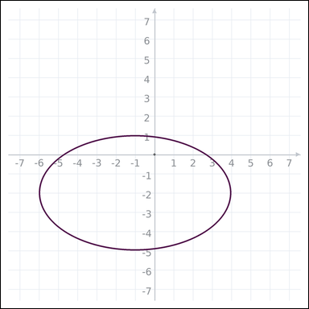 | 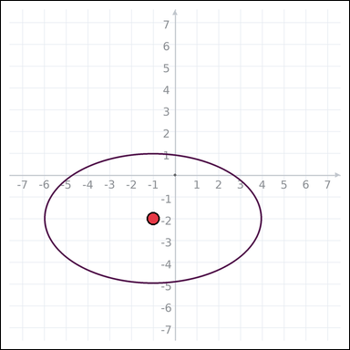 | task_geometry_measurement_area | ellipse | You are given a graph-paper image showing an ellipse. Question: What is the area of the ellipse in square units? Express the answer in the form kπ. Return a valid JSON object with keys "evidence" and "answer" in that order. Evidence field: set "evidence" to one graph-paper point [x, y] for the ellipse center. Answer field: set "answer" to the measurement value in the form kπ (for example 12π). Example JSON: {"evidence":[[0,0]],"answer":"6π"} | You are given a graph-paper image showing an ellipse. Question: What is the area of the ellipse in square units? Express the answer in the form kπ. Return a valid JSON object with key "answer". Answer: set "answer" to the measurement value in the form kπ (for example 12π). Example JSON: {"answer":"12π"} | {"evidence": [-1, -2], "answer": "15π"} | [-1, -2] | pi_expression | graph_point | 557266972661099 | geometry/task_geometry_measurement_area/images/ellipse/0003.png | geometry/task_geometry_measurement_area/data/ellipse/0003.json
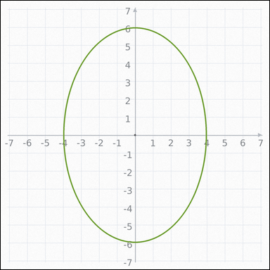 | 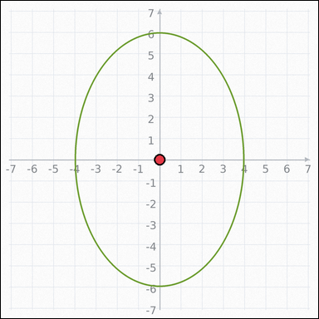 | task_geometry_measurement_area | ellipse | Work from the graph-paper image showing an ellipse. Question: What is the area of the ellipse in square units? Express the answer in the form kπ. Return a valid JSON object with keys "evidence" and "answer" in that order. Evidence requirement: set "evidence" to one graph-paper point [x, y] for the ellipse center. Answer format: set "answer" to the measurement value in the form kπ (for example 12π). Example JSON: {"evidence":[[0,0]],"answer":"6π"} | Work from the graph-paper image showing an ellipse. Question: What is the area of the ellipse in square units? Express the answer in the form kπ. Return a valid JSON object with key "answer". Answer requirement: set "answer" to the measurement value in the form kπ (for example 12π). Example JSON: {"answer":"12π"} | {"evidence": [0, 0], "answer": "24π"} | [0, 0] | pi_expression | graph_point | 934158820466882 | geometry/task_geometry_measurement_area/images/ellipse/0020.png | geometry/task_geometry_measurement_area/data/ellipse/0020.json
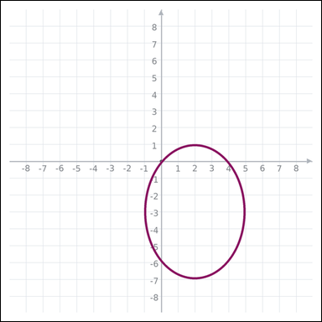 | 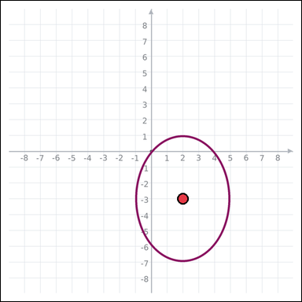 | task_geometry_measurement_area | ellipse | The graph-paper image shows an ellipse. Task: What is the area of the ellipse in square units? Express the answer in the form kπ. Return a valid JSON object with keys "evidence" and "answer" in that order. Evidence rule: set "evidence" to one graph-paper point [x, y] for the ellipse center. Answer rule: set "answer" to the measurement value in the form kπ (for example 12π). Example JSON: {"evidence":[[0,0]],"answer":"6π"} | The graph-paper image shows an ellipse. Task: What is the area of the ellipse in square units? Express the answer in the form kπ. Return a valid JSON object with key "answer". Answer rule: set "answer" to the measurement value in the form kπ (for example 12π). Example JSON: {"answer":"12π"} | {"evidence": [2, -3], "answer": "12π"} | [2, -3] | pi_expression | graph_point | 1.3245933277E+15 | geometry/task_geometry_measurement_area/images/ellipse/0006.png | geometry/task_geometry_measurement_area/data/ellipse/0006.json
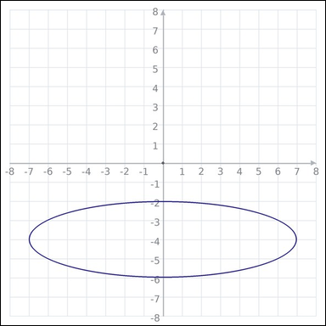 | 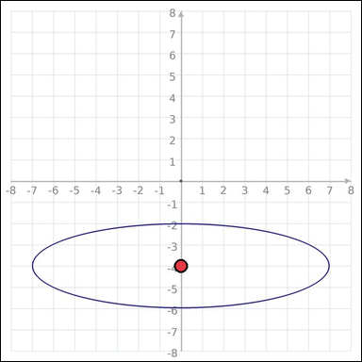 | task_geometry_measurement_area | ellipse | Look at the graph-paper image showing an ellipse. Answer this question: What is the area of the ellipse in square units? Express the answer in the form kπ. Return a valid JSON object with keys "evidence" and "answer" in that order. Evidence format: set "evidence" to one graph-paper point [x, y] for the ellipse center. Answer requirement: set "answer" to the measurement value in the form kπ (for example 12π). Example JSON: {"evidence":[[0,0]],"answer":"6π"} | Look at the graph-paper image showing an ellipse. Answer this question: What is the area of the ellipse in square units? Express the answer in the form kπ. Return a valid JSON object with key "answer". Answer rule: set "answer" to the measurement value in the form kπ (for example 12π). Example JSON: {"answer":"12π"} | {"evidence": [0, -4], "answer": "14π"} | [0, -4] | pi_expression | graph_point | 1.5020654212E+15 | geometry/task_geometry_measurement_area/images/ellipse/0000.png | geometry/task_geometry_measurement_area/data/ellipse/0000.json
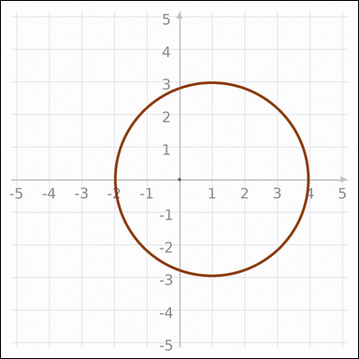 | 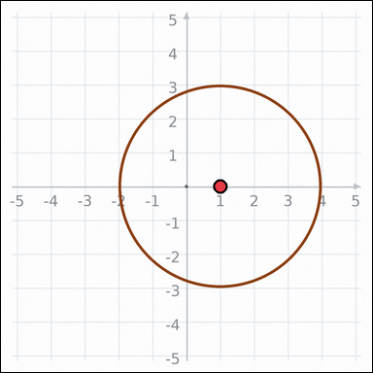 | task_geometry_measurement_area | ellipse | Use the graph-paper diagram showing an ellipse. What is the area of the ellipse in square units? Express the answer in the form kπ. Return a valid JSON object with keys "evidence" and "answer" in that order. Evidence format: set "evidence" to one graph-paper point [x, y] for the ellipse center. Answer requirement: set "answer" to the measurement value in the form kπ (for example 12π). Example JSON: {"evidence":[[0,0]],"answer":"6π"} | Use the graph-paper diagram showing an ellipse. What is the area of the ellipse in square units? Express the answer in the form kπ. Return a valid JSON object with key "answer". Answer rule: set "answer" to the measurement value in the form kπ (for example 12π). Example JSON: {"answer":"12π"} | {"evidence": [1, 0], "answer": "9π"} | [1, 0] | pi_expression | graph_point | 1.7042372641E+15 | geometry/task_geometry_measurement_area/images/ellipse/0021.png | geometry/task_geometry_measurement_area/data/ellipse/0021.json
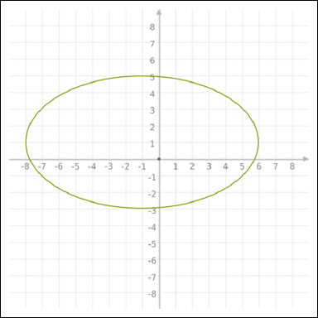 | 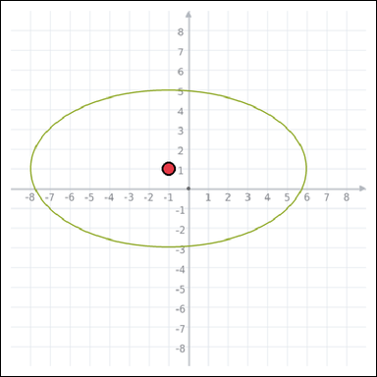 | task_geometry_measurement_area | ellipse | The graph-paper image shows an ellipse. Task: What is the area of the ellipse in square units? Express the answer in the form kπ. Return a valid JSON object with keys "evidence" and "answer" in that order. Evidence rule: set "evidence" to one graph-paper point [x, y] for the ellipse center. Answer rule: set "answer" to the measurement value in the form kπ (for example 12π). Example JSON: {"evidence":[[0,0]],"answer":"6π"} | The graph-paper image shows an ellipse. Task: What is the area of the ellipse in square units? Express the answer in the form kπ. Return a valid JSON object with key "answer". Answer: set "answer" to the measurement value in the form kπ (for example 12π). Example JSON: {"answer":"12π"} | {"evidence": [-1, 1], "answer": "28π"} | [-1, 1] | pi_expression | graph_point | 2.0536515006E+15 | geometry/task_geometry_measurement_area/images/ellipse/0023.png | geometry/task_geometry_measurement_area/data/ellipse/0023.json
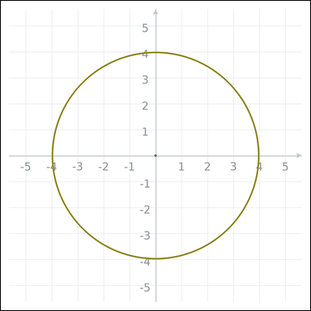 | 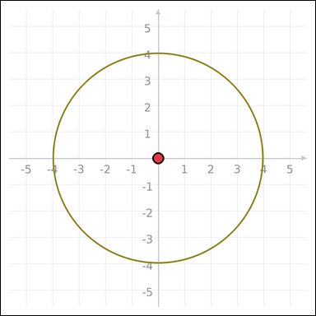 | task_geometry_measurement_area | ellipse | Work from the graph-paper image showing an ellipse. Determine the answer: What is the area of the ellipse in square units? Express the answer in the form kπ. Return a valid JSON object with keys "evidence" and "answer" in that order. Evidence field: set "evidence" to one graph-paper point [x, y] for the ellipse center. Answer field: set "answer" to the measurement value in the form kπ (for example 12π). Example JSON: {"evidence":[[0,0]],"answer":"6π"} | Work from the graph-paper image showing an ellipse. Determine the answer: What is the area of the ellipse in square units? Express the answer in the form kπ. Return a valid JSON object with key "answer". Answer rule: set "answer" to the measurement value in the form kπ (for example 12π). Example JSON: {"answer":"12π"} | {"evidence": [0, 0], "answer": "16π"} | [0, 0] | pi_expression | graph_point | 2.6509801892E+15 | geometry/task_geometry_measurement_area/images/ellipse/0017.png | geometry/task_geometry_measurement_area/data/ellipse/0017.json
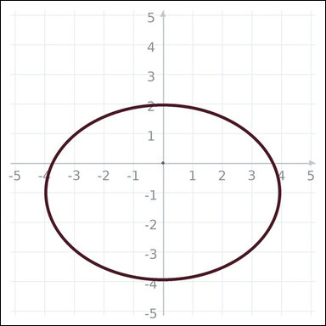 | 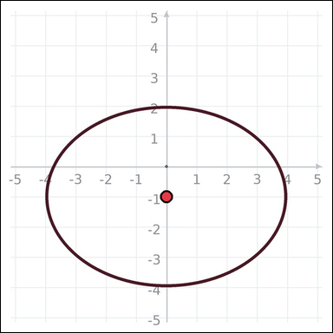 | task_geometry_measurement_area | ellipse | Work from the graph-paper image showing an ellipse. What is the area of the ellipse in square units? Express the answer in the form kπ. Return a valid JSON object with keys "evidence" and "answer" in that order. Evidence format: set "evidence" to one graph-paper point [x, y] for the ellipse center. Answer requirement: set "answer" to the measurement value in the form kπ (for example 12π). Example JSON: {"evidence":[[0,0]],"answer":"6π"} | Work from the graph-paper image showing an ellipse. What is the area of the ellipse in square units? Express the answer in the form kπ. Return a valid JSON object with key "answer". Answer format: set "answer" to the measurement value in the form kπ (for example 12π). Example JSON: {"answer":"12π"} | {"evidence": [0, -1], "answer": "12π"} | [0, -1] | pi_expression | graph_point | 2.915714143E+15 | geometry/task_geometry_measurement_area/images/ellipse/0008.png | geometry/task_geometry_measurement_area/data/ellipse/0008.json
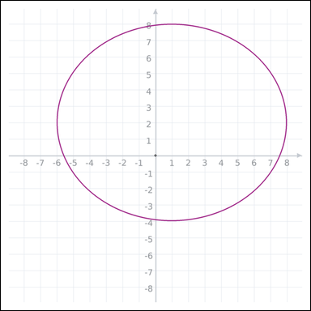 | 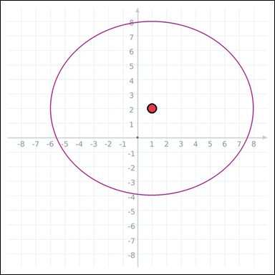 | task_geometry_measurement_area | ellipse | Use the graph-paper diagram showing an ellipse. Determine the answer: What is the area of the ellipse in square units? Express the answer in the form kπ. Return a valid JSON object with keys "evidence" and "answer" in that order. Evidence requirement: set "evidence" to one graph-paper point [x, y] for the ellipse center. Answer format: set "answer" to the measurement value in the form kπ (for example 12π). Example JSON: {"evidence":[[0,0]],"answer":"6π"} | Use the graph-paper diagram showing an ellipse. Determine the answer: What is the area of the ellipse in square units? Express the answer in the form kπ. Return a valid JSON object with key "answer". Answer field: set "answer" to the measurement value in the form kπ (for example 12π). Example JSON: {"answer":"12π"} | {"evidence": [1, 2], "answer": "42π"} | [1, 2] | pi_expression | graph_point | 3.2210424996E+15 | geometry/task_geometry_measurement_area/images/ellipse/0005.png | geometry/task_geometry_measurement_area/data/ellipse/0005.json
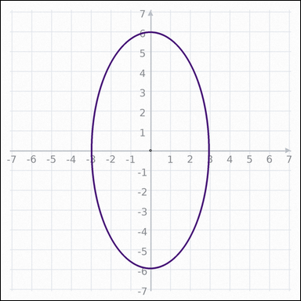 | 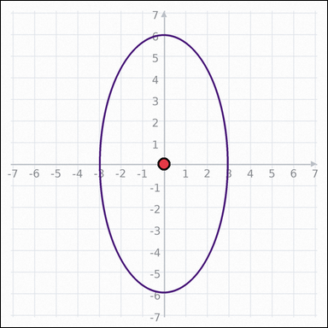 | task_geometry_measurement_area | ellipse | You are given a graph-paper image showing an ellipse. Task: What is the area of the ellipse in square units? Express the answer in the form kπ. Return a valid JSON object with keys "evidence" and "answer" in that order. Evidence requirement: set "evidence" to one graph-paper point [x, y] for the ellipse center. Answer format: set "answer" to the measurement value in the form kπ (for example 12π). Example JSON: {"evidence":[[0,0]],"answer":"6π"} | You are given a graph-paper image showing an ellipse. Task: What is the area of the ellipse in square units? Express the answer in the form kπ. Return a valid JSON object with key "answer". Answer field: set "answer" to the measurement value in the form kπ (for example 12π). Example JSON: {"answer":"12π"} | {"evidence": [0, 0], "answer": "18π"} | [0, 0] | pi_expression | graph_point | 3.4004359207E+15 | geometry/task_geometry_measurement_area/images/ellipse/0011.png | geometry/task_geometry_measurement_area/data/ellipse/0011.json
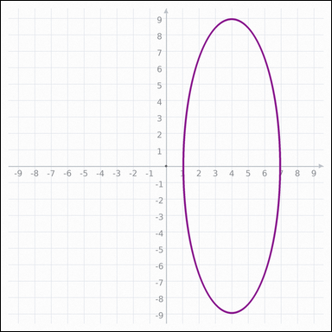 | 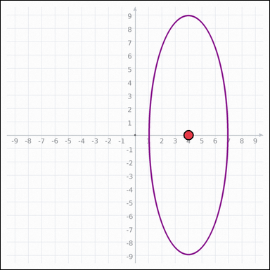 | task_geometry_measurement_area | ellipse | You are given a graph-paper image showing an ellipse. Answer this question: What is the area of the ellipse in square units? Express the answer in the form kπ. Return a valid JSON object with keys "evidence" and "answer" in that order. Evidence: set "evidence" to one graph-paper point [x, y] for the ellipse center. Answer: set "answer" to the measurement value in the form kπ (for example 12π). Example JSON: {"evidence":[[0,0]],"answer":"6π"} | You are given a graph-paper image showing an ellipse. Answer this question: What is the area of the ellipse in square units? Express the answer in the form kπ. Return a valid JSON object with key "answer". Answer field: set "answer" to the measurement value in the form kπ (for example 12π). Example JSON: {"answer":"12π"} | {"evidence": [4, 0], "answer": "27π"} | [4, 0] | pi_expression | graph_point | 4.3544833858E+15 | geometry/task_geometry_measurement_area/images/ellipse/0019.png | geometry/task_geometry_measurement_area/data/ellipse/0019.json
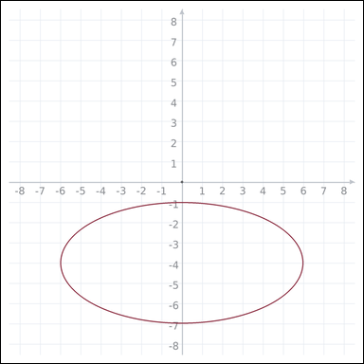 | 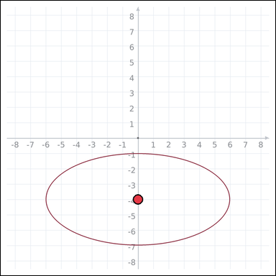 | task_geometry_measurement_area | ellipse | The graph-paper image shows an ellipse. Task: What is the area of the ellipse in square units? Express the answer in the form kπ. Return a valid JSON object with keys "evidence" and "answer" in that order. Evidence rule: set "evidence" to one graph-paper point [x, y] for the ellipse center. Answer rule: set "answer" to the measurement value in the form kπ (for example 12π). Example JSON: {"evidence":[[0,0]],"answer":"6π"} | The graph-paper image shows an ellipse. Task: What is the area of the ellipse in square units? Express the answer in the form kπ. Return a valid JSON object with key "answer". Answer field: set "answer" to the measurement value in the form kπ (for example 12π). Example JSON: {"answer":"12π"} | {"evidence": [0, -4], "answer": "18π"} | [0, -4] | pi_expression | graph_point | 4.4233017653E+15 | geometry/task_geometry_measurement_area/images/ellipse/0015.png | geometry/task_geometry_measurement_area/data/ellipse/0015.json
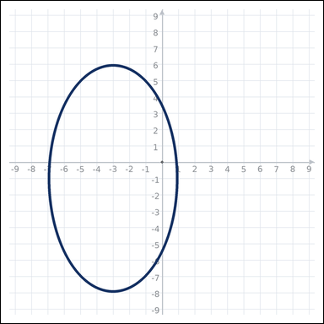 | 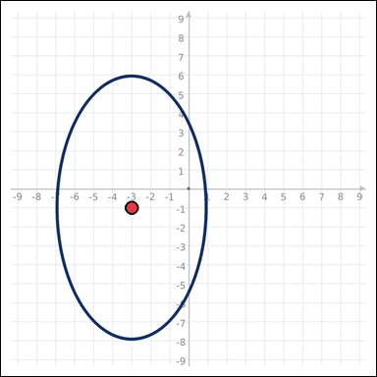 | task_geometry_measurement_area | ellipse | Use the graph-paper diagram showing an ellipse. Determine the answer: What is the area of the ellipse in square units? Express the answer in the form kπ. Return a valid JSON object with keys "evidence" and "answer" in that order. Evidence rule: set "evidence" to one graph-paper point [x, y] for the ellipse center. Answer rule: set "answer" to the measurement value in the form kπ (for example 12π). Example JSON: {"evidence":[[0,0]],"answer":"6π"} | Use the graph-paper diagram showing an ellipse. Determine the answer: What is the area of the ellipse in square units? Express the answer in the form kπ. Return a valid JSON object with key "answer". Answer field: set "answer" to the measurement value in the form kπ (for example 12π). Example JSON: {"answer":"12π"} | {"evidence": [-3, -1], "answer": "28π"} | [-3, -1] | pi_expression | graph_point | 4.4582556719E+15 | geometry/task_geometry_measurement_area/images/ellipse/0007.png | geometry/task_geometry_measurement_area/data/ellipse/0007.json
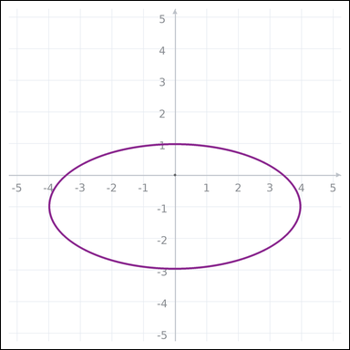 | 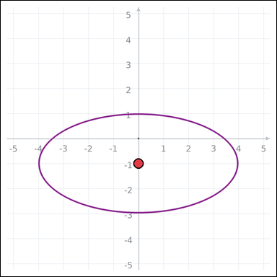 | task_geometry_measurement_area | ellipse | Work from the graph-paper image showing an ellipse. Task: What is the area of the ellipse in square units? Express the answer in the form kπ. Return a valid JSON object with keys "evidence" and "answer" in that order. Evidence requirement: set "evidence" to one graph-paper point [x, y] for the ellipse center. Answer format: set "answer" to the measurement value in the form kπ (for example 12π). Example JSON: {"evidence":[[0,0]],"answer":"6π"} | Work from the graph-paper image showing an ellipse. Task: What is the area of the ellipse in square units? Express the answer in the form kπ. Return a valid JSON object with key "answer". Answer format: set "answer" to the measurement value in the form kπ (for example 12π). Example JSON: {"answer":"12π"} | {"evidence": [0, -1], "answer": "8π"} | [0, -1] | pi_expression | graph_point | 5.0310401155E+15 | geometry/task_geometry_measurement_area/images/ellipse/0016.png | geometry/task_geometry_measurement_area/data/ellipse/0016.json
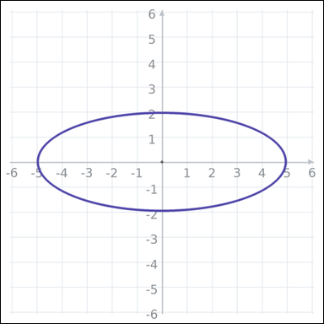 | 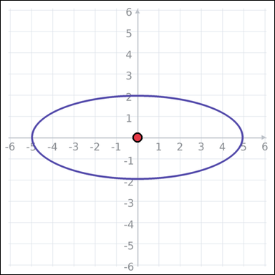 | task_geometry_measurement_area | ellipse | You are given a graph-paper image showing an ellipse. Question: What is the area of the ellipse in square units? Express the answer in the form kπ. Return a valid JSON object with keys "evidence" and "answer" in that order. Evidence format: set "evidence" to one graph-paper point [x, y] for the ellipse center. Answer requirement: set "answer" to the measurement value in the form kπ (for example 12π). Example JSON: {"evidence":[[0,0]],"answer":"6π"} | You are given a graph-paper image showing an ellipse. Question: What is the area of the ellipse in square units? Express the answer in the form kπ. Return a valid JSON object with key "answer". Answer rule: set "answer" to the measurement value in the form kπ (for example 12π). Example JSON: {"answer":"12π"} | {"evidence": [0, 0], "answer": "10π"} | [0, 0] | pi_expression | graph_point | 5.2707522457E+15 | geometry/task_geometry_measurement_area/images/ellipse/0010.png | geometry/task_geometry_measurement_area/data/ellipse/0010.json
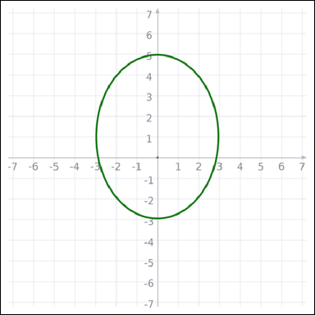 | 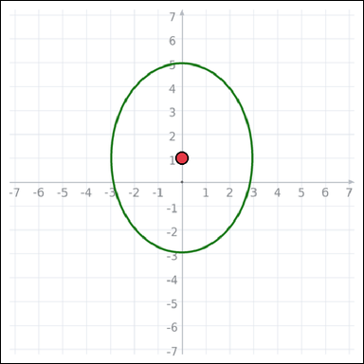 | task_geometry_measurement_area | ellipse | You are given a graph-paper image showing an ellipse. Determine the answer: What is the area of the ellipse in square units? Express the answer in the form kπ. Return a valid JSON object with keys "evidence" and "answer" in that order. Evidence: set "evidence" to one graph-paper point [x, y] for the ellipse center. Answer: set "answer" to the measurement value in the form kπ (for example 12π). Example JSON: {"evidence":[[0,0]],"answer":"6π"} | You are given a graph-paper image showing an ellipse. Determine the answer: What is the area of the ellipse in square units? Express the answer in the form kπ. Return a valid JSON object with key "answer". Answer rule: set "answer" to the measurement value in the form kπ (for example 12π). Example JSON: {"answer":"12π"} | {"evidence": [0, 1], "answer": "12π"} | [0, 1] | pi_expression | graph_point | 5.3523280105E+15 | geometry/task_geometry_measurement_area/images/ellipse/0004.png | geometry/task_geometry_measurement_area/data/ellipse/0004.json
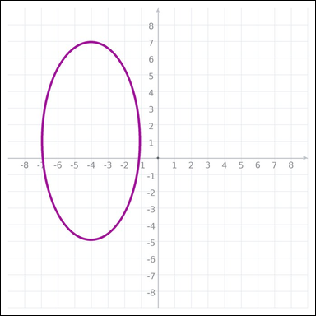 | 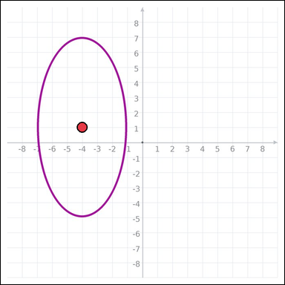 | task_geometry_measurement_area | ellipse | You are given a graph-paper image showing an ellipse. Answer this question: What is the area of the ellipse in square units? Express the answer in the form kπ. Return a valid JSON object with keys "evidence" and "answer" in that order. Evidence requirement: set "evidence" to one graph-paper point [x, y] for the ellipse center. Answer format: set "answer" to the measurement value in the form kπ (for example 12π). Example JSON: {"evidence":[[0,0]],"answer":"6π"} | You are given a graph-paper image showing an ellipse. Answer this question: What is the area of the ellipse in square units? Express the answer in the form kπ. Return a valid JSON object with key "answer". Answer format: set "answer" to the measurement value in the form kπ (for example 12π). Example JSON: {"answer":"12π"} | {"evidence": [-4, 1], "answer": "18π"} | [-4, 1] | pi_expression | graph_point | 5.7041878071E+15 | geometry/task_geometry_measurement_area/images/ellipse/0002.png | geometry/task_geometry_measurement_area/data/ellipse/0002.json
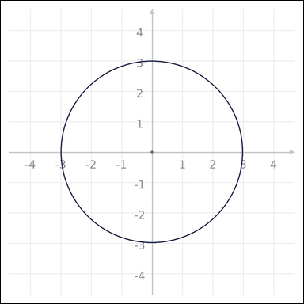 | 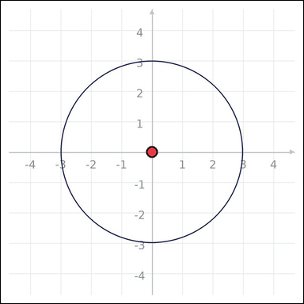 | task_geometry_measurement_area | ellipse | Work from the graph-paper image showing an ellipse. What is the area of the ellipse in square units? Express the answer in the form kπ. Return a valid JSON object with keys "evidence" and "answer" in that order. Evidence: set "evidence" to one graph-paper point [x, y] for the ellipse center. Answer: set "answer" to the measurement value in the form kπ (for example 12π). Example JSON: {"evidence":[[0,0]],"answer":"6π"} | Work from the graph-paper image showing an ellipse. What is the area of the ellipse in square units? Express the answer in the form kπ. Return a valid JSON object with key "answer". Answer requirement: set "answer" to the measurement value in the form kπ (for example 12π). Example JSON: {"answer":"12π"} | {"evidence": [0, 0], "answer": "9π"} | [0, 0] | pi_expression | graph_point | 5.962764886E+15 | geometry/task_geometry_measurement_area/images/ellipse/0013.png | geometry/task_geometry_measurement_area/data/ellipse/0013.json
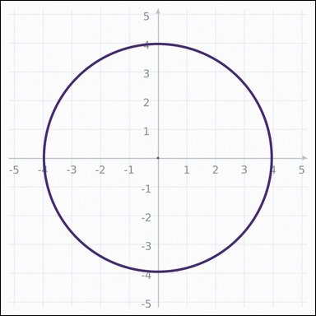 | 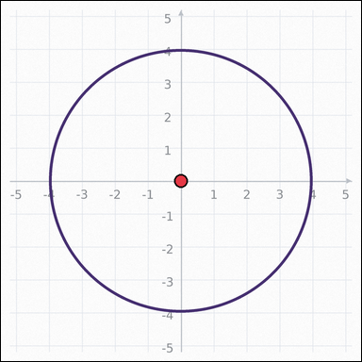 | task_geometry_measurement_area | ellipse | You are given a graph-paper image showing an ellipse. Determine the answer: What is the area of the ellipse in square units? Express the answer in the form kπ. Return a valid JSON object with keys "evidence" and "answer" in that order. Evidence format: set "evidence" to one graph-paper point [x, y] for the ellipse center. Answer requirement: set "answer" to the measurement value in the form kπ (for example 12π). Example JSON: {"evidence":[[0,0]],"answer":"6π"} | You are given a graph-paper image showing an ellipse. Determine the answer: What is the area of the ellipse in square units? Express the answer in the form kπ. Return a valid JSON object with key "answer". Answer format: set "answer" to the measurement value in the form kπ (for example 12π). Example JSON: {"answer":"12π"} | {"evidence": [0, 0], "answer": "16π"} | [0, 0] | pi_expression | graph_point | 6.3894926358E+15 | geometry/task_geometry_measurement_area/images/ellipse/0024.png | geometry/task_geometry_measurement_area/data/ellipse/0024.json
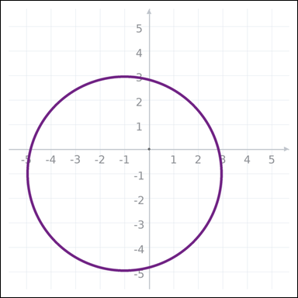 | 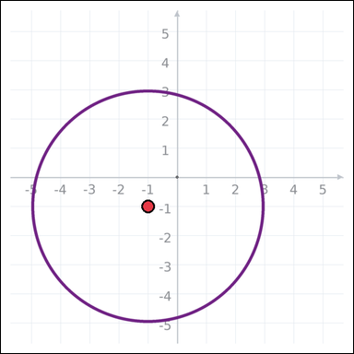 | task_geometry_measurement_area | ellipse | Look at the graph-paper image showing an ellipse. Determine the answer: What is the area of the ellipse in square units? Express the answer in the form kπ. Return a valid JSON object with keys "evidence" and "answer" in that order. Evidence field: set "evidence" to one graph-paper point [x, y] for the ellipse center. Answer field: set "answer" to the measurement value in the form kπ (for example 12π). Example JSON: {"evidence":[[0,0]],"answer":"6π"} | Look at the graph-paper image showing an ellipse. Determine the answer: What is the area of the ellipse in square units? Express the answer in the form kπ. Return a valid JSON object with key "answer". Answer: set "answer" to the measurement value in the form kπ (for example 12π). Example JSON: {"answer":"12π"} | {"evidence": [-1, -1], "answer": "16π"} | [-1, -1] | pi_expression | graph_point | 6.9142923419E+15 | geometry/task_geometry_measurement_area/images/ellipse/0001.png | geometry/task_geometry_measurement_area/data/ellipse/0001.json
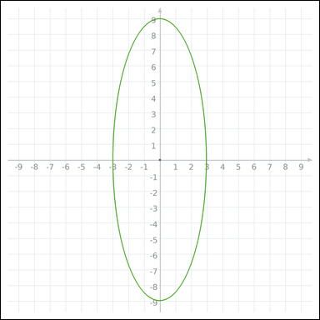 | 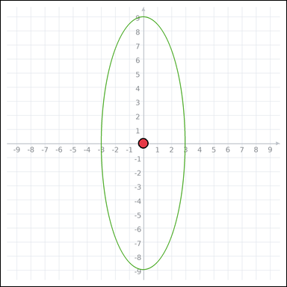 | task_geometry_measurement_area | ellipse | The graph-paper image shows an ellipse. Answer this question: What is the area of the ellipse in square units? Express the answer in the form kπ. Return a valid JSON object with keys "evidence" and "answer" in that order. Evidence format: set "evidence" to one graph-paper point [x, y] for the ellipse center. Answer requirement: set "answer" to the measurement value in the form kπ (for example 12π). Example JSON: {"evidence":[[0,0]],"answer":"6π"} | The graph-paper image shows an ellipse. Answer this question: What is the area of the ellipse in square units? Express the answer in the form kπ. Return a valid JSON object with key "answer". Answer rule: set "answer" to the measurement value in the form kπ (for example 12π). Example JSON: {"answer":"12π"} | {"evidence": [0, 0], "answer": "27π"} | [0, 0] | pi_expression | graph_point | 7.0993968643E+15 | geometry/task_geometry_measurement_area/images/ellipse/0022.png | geometry/task_geometry_measurement_area/data/ellipse/0022.json
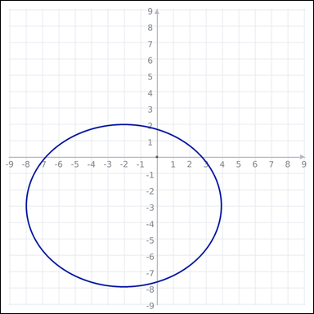 | 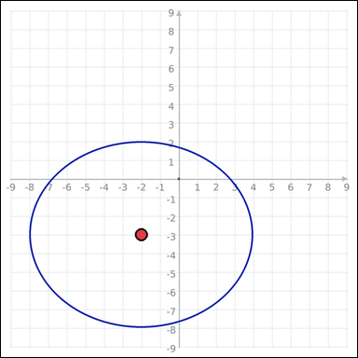 | task_geometry_measurement_area | ellipse | The graph-paper image shows an ellipse. Determine the answer: What is the area of the ellipse in square units? Express the answer in the form kπ. Return a valid JSON object with keys "evidence" and "answer" in that order. Evidence: set "evidence" to one graph-paper point [x, y] for the ellipse center. Answer: set "answer" to the measurement value in the form kπ (for example 12π). Example JSON: {"evidence":[[0,0]],"answer":"6π"} | The graph-paper image shows an ellipse. Determine the answer: What is the area of the ellipse in square units? Express the answer in the form kπ. Return a valid JSON object with key "answer". Answer: set "answer" to the measurement value in the form kπ (for example 12π). Example JSON: {"answer":"12π"} | {"evidence": [-2, -3], "answer": "30π"} | [-2, -3] | pi_expression | graph_point | 7.6414935792E+15 | geometry/task_geometry_measurement_area/images/ellipse/0009.png | geometry/task_geometry_measurement_area/data/ellipse/0009.json
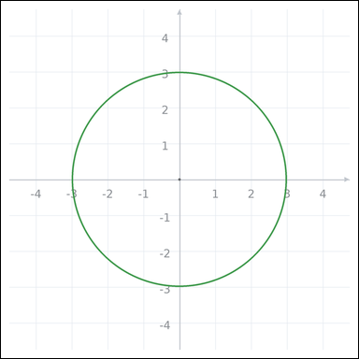 | 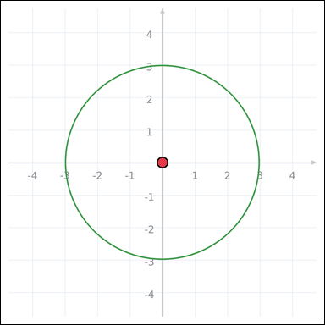 | task_geometry_measurement_area | ellipse | Work from the graph-paper image showing an ellipse. Answer this question: What is the area of the ellipse in square units? Express the answer in the form kπ. Return a valid JSON object with keys "evidence" and "answer" in that order. Evidence requirement: set "evidence" to one graph-paper point [x, y] for the ellipse center. Answer format: set "answer" to the measurement value in the form kπ (for example 12π). Example JSON: {"evidence":[[0,0]],"answer":"6π"} | Work from the graph-paper image showing an ellipse. Answer this question: What is the area of the ellipse in square units? Express the answer in the form kπ. Return a valid JSON object with key "answer". Answer format: set "answer" to the measurement value in the form kπ (for example 12π). Example JSON: {"answer":"12π"} | {"evidence": [0, 0], "answer": "9π"} | [0, 0] | pi_expression | graph_point | 7.8286363759E+15 | geometry/task_geometry_measurement_area/images/ellipse/0014.png | geometry/task_geometry_measurement_area/data/ellipse/0014.json
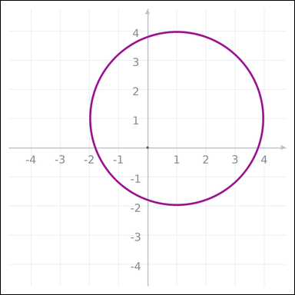 | 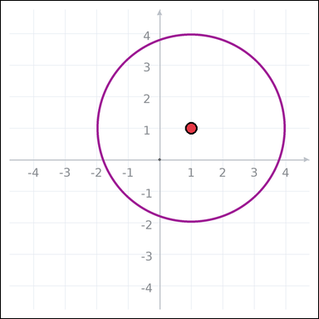 | task_geometry_measurement_area | ellipse | The graph-paper image shows an ellipse. What is the area of the ellipse in square units? Express the answer in the form kπ. Return a valid JSON object with keys "evidence" and "answer" in that order. Evidence requirement: set "evidence" to one graph-paper point [x, y] for the ellipse center. Answer format: set "answer" to the measurement value in the form kπ (for example 12π). Example JSON: {"evidence":[[0,0]],"answer":"6π"} | The graph-paper image shows an ellipse. What is the area of the ellipse in square units? Express the answer in the form kπ. Return a valid JSON object with key "answer". Answer requirement: set "answer" to the measurement value in the form kπ (for example 12π). Example JSON: {"answer":"12π"} | {"evidence": [1, 1], "answer": "9π"} | [1, 1] | pi_expression | graph_point | 7.8460541567E+15 | geometry/task_geometry_measurement_area/images/ellipse/0018.png | geometry/task_geometry_measurement_area/data/ellipse/0018.json
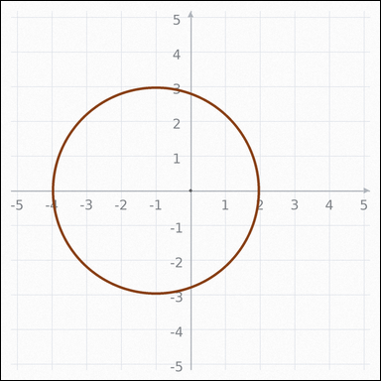 | 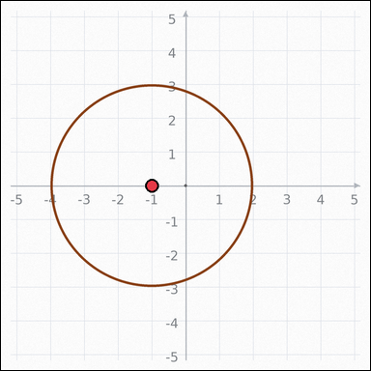 | task_geometry_measurement_area | ellipse | Work from the graph-paper image showing an ellipse. Determine the answer: What is the area of the ellipse in square units? Express the answer in the form kπ. Return a valid JSON object with keys "evidence" and "answer" in that order. Evidence: set "evidence" to one graph-paper point [x, y] for the ellipse center. Answer: set "answer" to the measurement value in the form kπ (for example 12π). Example JSON: {"evidence":[[0,0]],"answer":"6π"} | Work from the graph-paper image showing an ellipse. Determine the answer: What is the area of the ellipse in square units? Express the answer in the form kπ. Return a valid JSON object with key "answer". Answer format: set "answer" to the measurement value in the form kπ (for example 12π). Example JSON: {"answer":"12π"} | {"evidence": [-1, 0], "answer": "9π"} | [-1, 0] | pi_expression | graph_point | 8.0986414112E+15 | geometry/task_geometry_measurement_area/images/ellipse/0012.png | geometry/task_geometry_measurement_area/data/ellipse/0012.json

quadrilateral
image | evidence_image | task | task_variant | prompt | prompt_answer_only | answer | answer_evidence | answer_type | evidence_type | instance_seed | image_path | data_path
 |  | task_geometry_measurement_area | quadrilateral | Use the graph-paper diagram showing a polygon. Task: What is the area of the polygon in square units? Return a valid JSON object with keys "evidence" and "answer" in that order. Evidence requirement: set "evidence" to an array of graph-paper points for all polygon vertices. Answer format: set "answer" to the measurement value as an integer. Example JSON: {"evidence":[[0,0],[4,0],[4,2],[0,2]],"answer":8} | Use the graph-paper diagram showing a polygon. Task: What is the area of the polygon in square units? Return a valid JSON object with key "answer". Answer field: set "answer" to the measurement value as an integer. Example JSON: {"answer":8} | {"evidence": [[4, -6], [4, 6], [-4, 6], [-4, -6]], "answer": 96} | [[4, -6], [4, 6], [-4, 6], [-4, -6]] | integer | graph_point_set | 99102147946543 | geometry/task_geometry_measurement_area/images/quadrilateral/0002.png | geometry/task_geometry_measurement_area/data/quadrilateral/0002.json
 |  | task_geometry_measurement_area | quadrilateral | Work from the graph-paper image showing a polygon. Determine the answer: What is the area of the polygon in square units? Return a valid JSON object with keys "evidence" and "answer" in that order. Evidence format: set "evidence" to an array of graph-paper points for all polygon vertices. Answer requirement: set "answer" to the measurement value as an integer. Example JSON: {"evidence":[[0,0],[4,0],[4,2],[0,2]],"answer":8} | Work from the graph-paper image showing a polygon. Determine the answer: What is the area of the polygon in square units? Return a valid JSON object with key "answer". Answer field: set "answer" to the measurement value as an integer. Example JSON: {"answer":8} | {"evidence": [[-1, 3], [-1, -1], [3, -1], [3, 3]], "answer": 16} | [[-1, 3], [-1, -1], [3, -1], [3, 3]] | integer | graph_point_set | 596521209260290 | geometry/task_geometry_measurement_area/images/quadrilateral/0023.png | geometry/task_geometry_measurement_area/data/quadrilateral/0023.json
 |  | task_geometry_measurement_area | quadrilateral | Look at the graph-paper image showing a polygon. Question: What is the area of the polygon in square units? Return a valid JSON object with keys "evidence" and "answer" in that order. Evidence format: set "evidence" to an array of graph-paper points for all polygon vertices. Answer requirement: set "answer" to the measurement value as an integer. Example JSON: {"evidence":[[0,0],[4,0],[4,2],[0,2]],"answer":8} | Look at the graph-paper image showing a polygon. Question: What is the area of the polygon in square units? Return a valid JSON object with key "answer". Answer requirement: set "answer" to the measurement value as an integer. Example JSON: {"answer":8} | {"evidence": [[-7, -7], [6, -7], [6, -2], [-7, -2]], "answer": 65} | [[-7, -7], [6, -7], [6, -2], [-7, -2]] | integer | graph_point_set | 598244070440236 | geometry/task_geometry_measurement_area/images/quadrilateral/0011.png | geometry/task_geometry_measurement_area/data/quadrilateral/0011.json
 |  | task_geometry_measurement_area | quadrilateral | Work from the graph-paper image showing a polygon. Task: What is the area of the polygon in square units? Return a valid JSON object with keys "evidence" and "answer" in that order. Evidence requirement: set "evidence" to an array of graph-paper points for all polygon vertices. Answer format: set "answer" to the measurement value as an integer. Example JSON: {"evidence":[[0,0],[4,0],[4,2],[0,2]],"answer":8} | Work from the graph-paper image showing a polygon. Task: What is the area of the polygon in square units? Return a valid JSON object with key "answer". Answer: set "answer" to the measurement value as an integer. Example JSON: {"answer":8} | {"evidence": [[-3, -6], [-3, 2], [5, 8], [5, 0]], "answer": 64} | [[-3, -6], [-3, 2], [5, 8], [5, 0]] | integer | graph_point_set | 854663140933180 | geometry/task_geometry_measurement_area/images/quadrilateral/0003.png | geometry/task_geometry_measurement_area/data/quadrilateral/0003.json
 |  | task_geometry_measurement_area | quadrilateral | You are given a graph-paper image showing a polygon. Determine the answer: What is the area of the polygon in square units? Return a valid JSON object with keys "evidence" and "answer" in that order. Evidence rule: set "evidence" to an array of graph-paper points for all polygon vertices. Answer rule: set "answer" to the measurement value as an integer. Example JSON: {"evidence":[[0,0],[4,0],[4,2],[0,2]],"answer":8} | You are given a graph-paper image showing a polygon. Determine the answer: What is the area of the polygon in square units? Return a valid JSON object with key "answer". Answer requirement: set "answer" to the measurement value as an integer. Example JSON: {"answer":8} | {"evidence": [[0, -7], [5, -7], [5, 6], [0, 6]], "answer": 65} | [[0, -7], [5, -7], [5, 6], [0, 6]] | integer | graph_point_set | 1.4971148921E+15 | geometry/task_geometry_measurement_area/images/quadrilateral/0012.png | geometry/task_geometry_measurement_area/data/quadrilateral/0012.json
 |  | task_geometry_measurement_area | quadrilateral | Look at the graph-paper image showing a polygon. Task: What is the area of the polygon in square units? Return a valid JSON object with keys "evidence" and "answer" in that order. Evidence rule: set "evidence" to an array of graph-paper points for all polygon vertices. Answer rule: set "answer" to the measurement value as an integer. Example JSON: {"evidence":[[0,0],[4,0],[4,2],[0,2]],"answer":8} | Look at the graph-paper image showing a polygon. Task: What is the area of the polygon in square units? Return a valid JSON object with key "answer". Answer format: set "answer" to the measurement value as an integer. Example JSON: {"answer":8} | {"evidence": [[4, 4], [4, -1], [-2, -1], [-2, 4]], "answer": 30} | [[4, 4], [4, -1], [-2, -1], [-2, 4]] | integer | graph_point_set | 1.666702726E+15 | geometry/task_geometry_measurement_area/images/quadrilateral/0004.png | geometry/task_geometry_measurement_area/data/quadrilateral/0004.json
 |  | task_geometry_measurement_area | quadrilateral | Look at the graph-paper image showing a polygon. Answer this question: What is the area of the polygon in square units? Return a valid JSON object with keys "evidence" and "answer" in that order. Evidence requirement: set "evidence" to an array of graph-paper points for all polygon vertices. Answer format: set "answer" to the measurement value as an integer. Example JSON: {"evidence":[[0,0],[4,0],[4,2],[0,2]],"answer":8} | Look at the graph-paper image showing a polygon. Answer this question: What is the area of the polygon in square units? Return a valid JSON object with key "answer". Answer format: set "answer" to the measurement value as an integer. Example JSON: {"answer":8} | {"evidence": [[0, -4], [-3, -4], [-6, -8], [-3, -8]], "answer": 12} | [[0, -4], [-3, -4], [-6, -8], [-3, -8]] | integer | graph_point_set | 1.6816941055E+15 | geometry/task_geometry_measurement_area/images/quadrilateral/0022.png | geometry/task_geometry_measurement_area/data/quadrilateral/0022.json
 |  | task_geometry_measurement_area | quadrilateral | The graph-paper image shows a polygon. Answer this question: What is the area of the polygon in square units? Return a valid JSON object with keys "evidence" and "answer" in that order. Evidence field: set "evidence" to an array of graph-paper points for all polygon vertices. Answer field: set "answer" to the measurement value as an integer. Example JSON: {"evidence":[[0,0],[4,0],[4,2],[0,2]],"answer":8} | The graph-paper image shows a polygon. Answer this question: What is the area of the polygon in square units? Return a valid JSON object with key "answer". Answer requirement: set "answer" to the measurement value as an integer. Example JSON: {"answer":8} | {"evidence": [[7, 6], [-1, 6], [-6, -6], [2, -6]], "answer": 96} | [[7, 6], [-1, 6], [-6, -6], [2, -6]] | integer | graph_point_set | 2.2103625188E+15 | geometry/task_geometry_measurement_area/images/quadrilateral/0000.png | geometry/task_geometry_measurement_area/data/quadrilateral/0000.json
 |  | task_geometry_measurement_area | quadrilateral | Look at the graph-paper image showing a polygon. Determine the answer: What is the area of the polygon in square units? Return a valid JSON object with keys "evidence" and "answer" in that order. Evidence field: set "evidence" to an array of graph-paper points for all polygon vertices. Answer field: set "answer" to the measurement value as an integer. Example JSON: {"evidence":[[0,0],[4,0],[4,2],[0,2]],"answer":8} | Look at the graph-paper image showing a polygon. Determine the answer: What is the area of the polygon in square units? Return a valid JSON object with key "answer". Answer rule: set "answer" to the measurement value as an integer. Example JSON: {"answer":8} | {"evidence": [[6, 6], [6, -3], [1, -3], [1, 6]], "answer": 45} | [[6, 6], [6, -3], [1, -3], [1, 6]] | integer | graph_point_set | 2.7874479798E+15 | geometry/task_geometry_measurement_area/images/quadrilateral/0009.png | geometry/task_geometry_measurement_area/data/quadrilateral/0009.json
 |  | task_geometry_measurement_area | quadrilateral | Use the graph-paper diagram showing a polygon. Determine the answer: What is the area of the polygon in square units? Return a valid JSON object with keys "evidence" and "answer" in that order. Evidence rule: set "evidence" to an array of graph-paper points for all polygon vertices. Answer rule: set "answer" to the measurement value as an integer. Example JSON: {"evidence":[[0,0],[4,0],[4,2],[0,2]],"answer":8} | Use the graph-paper diagram showing a polygon. Determine the answer: What is the area of the polygon in square units? Return a valid JSON object with key "answer". Answer rule: set "answer" to the measurement value as an integer. Example JSON: {"answer":8} | {"evidence": [[-1, 2], [-1, -2], [4, -2], [4, 2]], "answer": 20} | [[-1, 2], [-1, -2], [4, -2], [4, 2]] | integer | graph_point_set | 3.0482163572E+15 | geometry/task_geometry_measurement_area/images/quadrilateral/0014.png | geometry/task_geometry_measurement_area/data/quadrilateral/0014.json
 |  | task_geometry_measurement_area | quadrilateral | You are given a graph-paper image showing a polygon. Question: What is the area of the polygon in square units? Return a valid JSON object with keys "evidence" and "answer" in that order. Evidence requirement: set "evidence" to an array of graph-paper points for all polygon vertices. Answer format: set "answer" to the measurement value as an integer. Example JSON: {"evidence":[[0,0],[4,0],[4,2],[0,2]],"answer":8} | You are given a graph-paper image showing a polygon. Question: What is the area of the polygon in square units? Return a valid JSON object with key "answer". Answer: set "answer" to the measurement value as an integer. Example JSON: {"answer":8} | {"evidence": [[8, 3], [8, -2], [-8, -2], [-8, 3]], "answer": 80} | [[8, 3], [8, -2], [-8, -2], [-8, 3]] | integer | graph_point_set | 3.0768869539E+15 | geometry/task_geometry_measurement_area/images/quadrilateral/0019.png | geometry/task_geometry_measurement_area/data/quadrilateral/0019.json
 |  | task_geometry_measurement_area | quadrilateral | The graph-paper image shows a polygon. Determine the answer: What is the area of the polygon in square units? Return a valid JSON object with keys "evidence" and "answer" in that order. Evidence field: set "evidence" to an array of graph-paper points for all polygon vertices. Answer field: set "answer" to the measurement value as an integer. Example JSON: {"evidence":[[0,0],[4,0],[4,2],[0,2]],"answer":8} | The graph-paper image shows a polygon. Determine the answer: What is the area of the polygon in square units? Return a valid JSON object with key "answer". Answer format: set "answer" to the measurement value as an integer. Example JSON: {"answer":8} | {"evidence": [[-1, 8], [5, 8], [5, -7], [-1, -7]], "answer": 90} | [[-1, 8], [5, 8], [5, -7], [-1, -7]] | integer | graph_point_set | 3.2176724631E+15 | geometry/task_geometry_measurement_area/images/quadrilateral/0007.png | geometry/task_geometry_measurement_area/data/quadrilateral/0007.json
 |  | task_geometry_measurement_area | quadrilateral | Use the graph-paper diagram showing a polygon. Determine the answer: What is the area of the polygon in square units? Return a valid JSON object with keys "evidence" and "answer" in that order. Evidence format: set "evidence" to an array of graph-paper points for all polygon vertices. Answer requirement: set "answer" to the measurement value as an integer. Example JSON: {"evidence":[[0,0],[4,0],[4,2],[0,2]],"answer":8} | Use the graph-paper diagram showing a polygon. Determine the answer: What is the area of the polygon in square units? Return a valid JSON object with key "answer". Answer field: set "answer" to the measurement value as an integer. Example JSON: {"answer":8} | {"evidence": [[6, 1], [6, -7], [-4, -7], [-4, 1]], "answer": 80} | [[6, 1], [6, -7], [-4, -7], [-4, 1]] | integer | graph_point_set | 4.329517277E+15 | geometry/task_geometry_measurement_area/images/quadrilateral/0021.png | geometry/task_geometry_measurement_area/data/quadrilateral/0021.json
 |  | task_geometry_measurement_area | quadrilateral | Use the graph-paper diagram showing a polygon. Determine the answer: What is the area of the polygon in square units? Return a valid JSON object with keys "evidence" and "answer" in that order. Evidence format: set "evidence" to an array of graph-paper points for all polygon vertices. Answer requirement: set "answer" to the measurement value as an integer. Example JSON: {"evidence":[[0,0],[4,0],[4,2],[0,2]],"answer":8} | Use the graph-paper diagram showing a polygon. Determine the answer: What is the area of the polygon in square units? Return a valid JSON object with key "answer". Answer rule: set "answer" to the measurement value as an integer. Example JSON: {"answer":8} | {"evidence": [[-3, -2], [-3, 5], [-6, 5], [-6, -2]], "answer": 21} | [[-3, -2], [-3, 5], [-6, 5], [-6, -2]] | integer | graph_point_set | 4.370065669E+15 | geometry/task_geometry_measurement_area/images/quadrilateral/0018.png | geometry/task_geometry_measurement_area/data/quadrilateral/0018.json
 |  | task_geometry_measurement_area | quadrilateral | Use the graph-paper diagram showing a polygon. What is the area of the polygon in square units? Return a valid JSON object with keys "evidence" and "answer" in that order. Evidence: set "evidence" to an array of graph-paper points for all polygon vertices. Answer: set "answer" to the measurement value as an integer. Example JSON: {"evidence":[[0,0],[4,0],[4,2],[0,2]],"answer":8} | Use the graph-paper diagram showing a polygon. What is the area of the polygon in square units? Return a valid JSON object with key "answer". Answer format: set "answer" to the measurement value as an integer. Example JSON: {"answer":8} | {"evidence": [[-7, 7], [-7, 4], [0, 4], [0, 7]], "answer": 21} | [[-7, 7], [-7, 4], [0, 4], [0, 7]] | integer | graph_point_set | 4.7973750813E+15 | geometry/task_geometry_measurement_area/images/quadrilateral/0020.png | geometry/task_geometry_measurement_area/data/quadrilateral/0020.json
 |  | task_geometry_measurement_area | quadrilateral | Look at the graph-paper image showing a polygon. Determine the answer: What is the area of the polygon in square units? Return a valid JSON object with keys "evidence" and "answer" in that order. Evidence rule: set "evidence" to an array of graph-paper points for all polygon vertices. Answer rule: set "answer" to the measurement value as an integer. Example JSON: {"evidence":[[0,0],[4,0],[4,2],[0,2]],"answer":8} | Look at the graph-paper image showing a polygon. Determine the answer: What is the area of the polygon in square units? Return a valid JSON object with key "answer". Answer field: set "answer" to the measurement value as an integer. Example JSON: {"answer":8} | {"evidence": [[-1, 6], [-1, -4], [2, -4], [2, 6]], "answer": 30} | [[-1, 6], [-1, -4], [2, -4], [2, 6]] | integer | graph_point_set | 5.3132969676E+15 | geometry/task_geometry_measurement_area/images/quadrilateral/0016.png | geometry/task_geometry_measurement_area/data/quadrilateral/0016.json
 |  | task_geometry_measurement_area | quadrilateral | Work from the graph-paper image showing a polygon. Answer this question: What is the area of the polygon in square units? Return a valid JSON object with keys "evidence" and "answer" in that order. Evidence field: set "evidence" to an array of graph-paper points for all polygon vertices. Answer field: set "answer" to the measurement value as an integer. Example JSON: {"evidence":[[0,0],[4,0],[4,2],[0,2]],"answer":8} | Work from the graph-paper image showing a polygon. Answer this question: What is the area of the polygon in square units? Return a valid JSON object with key "answer". Answer field: set "answer" to the measurement value as an integer. Example JSON: {"answer":8} | {"evidence": [[0, -3], [0, 6], [5, 6], [5, -3]], "answer": 45} | [[0, -3], [0, 6], [5, 6], [5, -3]] | integer | graph_point_set | 5.3946616043E+15 | geometry/task_geometry_measurement_area/images/quadrilateral/0015.png | geometry/task_geometry_measurement_area/data/quadrilateral/0015.json
 |  | task_geometry_measurement_area | quadrilateral | The graph-paper image shows a polygon. Determine the answer: What is the area of the polygon in square units? Return a valid JSON object with keys "evidence" and "answer" in that order. Evidence: set "evidence" to an array of graph-paper points for all polygon vertices. Answer: set "answer" to the measurement value as an integer. Example JSON: {"evidence":[[0,0],[4,0],[4,2],[0,2]],"answer":8} | The graph-paper image shows a polygon. Determine the answer: What is the area of the polygon in square units? Return a valid JSON object with key "answer". Answer rule: set "answer" to the measurement value as an integer. Example JSON: {"answer":8} | {"evidence": [[-1, -4], [-1, 5], [5, 5], [5, -4]], "answer": 54} | [[-1, -4], [-1, 5], [5, 5], [5, -4]] | integer | graph_point_set | 5.6167403355E+15 | geometry/task_geometry_measurement_area/images/quadrilateral/0006.png | geometry/task_geometry_measurement_area/data/quadrilateral/0006.json
 |  | task_geometry_measurement_area | quadrilateral | Work from the graph-paper image showing a polygon. Question: What is the area of the polygon in square units? Return a valid JSON object with keys "evidence" and "answer" in that order. Evidence field: set "evidence" to an array of graph-paper points for all polygon vertices. Answer field: set "answer" to the measurement value as an integer. Example JSON: {"evidence":[[0,0],[4,0],[4,2],[0,2]],"answer":8} | Work from the graph-paper image showing a polygon. Question: What is the area of the polygon in square units? Return a valid JSON object with key "answer". Answer rule: set "answer" to the measurement value as an integer. Example JSON: {"answer":8} | {"evidence": [[-6, 3], [-6, -3], [-1, -3], [-1, 3]], "answer": 30} | [[-6, 3], [-6, -3], [-1, -3], [-1, 3]] | integer | graph_point_set | 6.500690628E+15 | geometry/task_geometry_measurement_area/images/quadrilateral/0001.png | geometry/task_geometry_measurement_area/data/quadrilateral/0001.json
 |  | task_geometry_measurement_area | quadrilateral | You are given a graph-paper image showing a polygon. Question: What is the area of the polygon in square units? Return a valid JSON object with keys "evidence" and "answer" in that order. Evidence field: set "evidence" to an array of graph-paper points for all polygon vertices. Answer field: set "answer" to the measurement value as an integer. Example JSON: {"evidence":[[0,0],[4,0],[4,2],[0,2]],"answer":8} | You are given a graph-paper image showing a polygon. Question: What is the area of the polygon in square units? Return a valid JSON object with key "answer". Answer rule: set "answer" to the measurement value as an integer. Example JSON: {"answer":8} | {"evidence": [[-4, -2], [-4, 5], [-2, 5], [-2, -2]], "answer": 14} | [[-4, -2], [-4, 5], [-2, 5], [-2, -2]] | integer | graph_point_set | 6.6190291635E+15 | geometry/task_geometry_measurement_area/images/quadrilateral/0005.png | geometry/task_geometry_measurement_area/data/quadrilateral/0005.json
 |  | task_geometry_measurement_area | quadrilateral | Use the graph-paper diagram showing a polygon. Question: What is the area of the polygon in square units? Return a valid JSON object with keys "evidence" and "answer" in that order. Evidence rule: set "evidence" to an array of graph-paper points for all polygon vertices. Answer rule: set "answer" to the measurement value as an integer. Example JSON: {"evidence":[[0,0],[4,0],[4,2],[0,2]],"answer":8} | Use the graph-paper diagram showing a polygon. Question: What is the area of the polygon in square units? Return a valid JSON object with key "answer". Answer format: set "answer" to the measurement value as an integer. Example JSON: {"answer":8} | {"evidence": [[-1, -5], [-1, -2], [9, -2], [9, -5]], "answer": 30} | [[-1, -5], [-1, -2], [9, -2], [9, -5]] | integer | graph_point_set | 6.6420704889E+15 | geometry/task_geometry_measurement_area/images/quadrilateral/0024.png | geometry/task_geometry_measurement_area/data/quadrilateral/0024.json
 |  | task_geometry_measurement_area | quadrilateral | Use the graph-paper diagram showing a polygon. Answer this question: What is the area of the polygon in square units? Return a valid JSON object with keys "evidence" and "answer" in that order. Evidence format: set "evidence" to an array of graph-paper points for all polygon vertices. Answer requirement: set "answer" to the measurement value as an integer. Example JSON: {"evidence":[[0,0],[4,0],[4,2],[0,2]],"answer":8} | Use the graph-paper diagram showing a polygon. Answer this question: What is the area of the polygon in square units? Return a valid JSON object with key "answer". Answer format: set "answer" to the measurement value as an integer. Example JSON: {"answer":8} | {"evidence": [[-2, 5], [-2, 2], [1, 2], [1, 5]], "answer": 9} | [[-2, 5], [-2, 2], [1, 2], [1, 5]] | integer | graph_point_set | 7.3916306142E+15 | geometry/task_geometry_measurement_area/images/quadrilateral/0017.png | geometry/task_geometry_measurement_area/data/quadrilateral/0017.json
 |  | task_geometry_measurement_area | quadrilateral | You are given a graph-paper image showing a polygon. Question: What is the area of the polygon in square units? Return a valid JSON object with keys "evidence" and "answer" in that order. Evidence: set "evidence" to an array of graph-paper points for all polygon vertices. Answer: set "answer" to the measurement value as an integer. Example JSON: {"evidence":[[0,0],[4,0],[4,2],[0,2]],"answer":8} | You are given a graph-paper image showing a polygon. Question: What is the area of the polygon in square units? Return a valid JSON object with key "answer". Answer field: set "answer" to the measurement value as an integer. Example JSON: {"answer":8} | {"evidence": [[-4, 2], [3, 2], [3, -5], [-4, -5]], "answer": 49} | [[-4, 2], [3, 2], [3, -5], [-4, -5]] | integer | graph_point_set | 7.6837838624E+15 | geometry/task_geometry_measurement_area/images/quadrilateral/0008.png | geometry/task_geometry_measurement_area/data/quadrilateral/0008.json
 |  | task_geometry_measurement_area | quadrilateral | Use the graph-paper diagram showing a polygon. Determine the answer: What is the area of the polygon in square units? Return a valid JSON object with keys "evidence" and "answer" in that order. Evidence field: set "evidence" to an array of graph-paper points for all polygon vertices. Answer field: set "answer" to the measurement value as an integer. Example JSON: {"evidence":[[0,0],[4,0],[4,2],[0,2]],"answer":8} | Use the graph-paper diagram showing a polygon. Determine the answer: What is the area of the polygon in square units? Return a valid JSON object with key "answer". Answer field: set "answer" to the measurement value as an integer. Example JSON: {"answer":8} | {"evidence": [[8, -5], [-7, -5], [-7, 0], [8, 0]], "answer": 75} | [[8, -5], [-7, -5], [-7, 0], [8, 0]] | integer | graph_point_set | 7.7681219294E+15 | geometry/task_geometry_measurement_area/images/quadrilateral/0010.png | geometry/task_geometry_measurement_area/data/quadrilateral/0010.json
 |  | task_geometry_measurement_area | quadrilateral | Look at the graph-paper image showing a polygon. Determine the answer: What is the area of the polygon in square units? Return a valid JSON object with keys "evidence" and "answer" in that order. Evidence rule: set "evidence" to an array of graph-paper points for all polygon vertices. Answer rule: set "answer" to the measurement value as an integer. Example JSON: {"evidence":[[0,0],[4,0],[4,2],[0,2]],"answer":8} | Look at the graph-paper image showing a polygon. Determine the answer: What is the area of the polygon in square units? Return a valid JSON object with key "answer". Answer format: set "answer" to the measurement value as an integer. Example JSON: {"answer":8} | {"evidence": [[-8, 9], [-2, 9], [6, -6], [0, -6]], "answer": 90} | [[-8, 9], [-2, 9], [6, -6], [0, -6]] | integer | graph_point_set | 8.1439629725E+15 | geometry/task_geometry_measurement_area/images/quadrilateral/0013.png | geometry/task_geometry_measurement_area/data/quadrilateral/0013.json

triangle
image | evidence_image | task | task_variant | prompt | prompt_answer_only | answer | answer_evidence | answer_type | evidence_type | instance_seed | image_path | data_path
 |  | task_geometry_measurement_area | triangle | The graph-paper image shows a polygon. Determine the answer: What is the area of the polygon in square units? Return a valid JSON object with keys "evidence" and "answer" in that order. Evidence: set "evidence" to an array of graph-paper points for all polygon vertices. Answer: set "answer" to the measurement value as an integer. Example JSON: {"evidence":[[0,0],[4,0],[0,3]],"answer":6} | The graph-paper image shows a polygon. Determine the answer: What is the area of the polygon in square units? Return a valid JSON object with key "answer". Answer field: set "answer" to the measurement value as an integer. Example JSON: {"answer":8} | {"evidence": [[0, -5], [0, 7], [-5, 7]], "answer": 30} | [[0, -5], [0, 7], [-5, 7]] | integer | graph_point_set | 2869579157796 | geometry/task_geometry_measurement_area/images/triangle/0009.png | geometry/task_geometry_measurement_area/data/triangle/0009.json
 |  | task_geometry_measurement_area | triangle | Work from the graph-paper image showing a polygon. Determine the answer: What is the area of the polygon in square units? Return a valid JSON object with keys "evidence" and "answer" in that order. Evidence rule: set "evidence" to an array of graph-paper points for all polygon vertices. Answer rule: set "answer" to the measurement value as an integer. Example JSON: {"evidence":[[0,0],[4,0],[0,3]],"answer":6} | Work from the graph-paper image showing a polygon. Determine the answer: What is the area of the polygon in square units? Return a valid JSON object with key "answer". Answer: set "answer" to the measurement value as an integer. Example JSON: {"answer":8} | {"evidence": [[8, -4], [1, -4], [-8, 8]], "answer": 42} | [[8, -4], [1, -4], [-8, 8]] | integer | graph_point_set | 470542500566514 | geometry/task_geometry_measurement_area/images/triangle/0013.png | geometry/task_geometry_measurement_area/data/triangle/0013.json
 |  | task_geometry_measurement_area | triangle | Look at the graph-paper image showing a polygon. Task: What is the area of the polygon in square units? Return a valid JSON object with keys "evidence" and "answer" in that order. Evidence field: set "evidence" to an array of graph-paper points for all polygon vertices. Answer field: set "answer" to the measurement value as an integer. Example JSON: {"evidence":[[0,0],[4,0],[0,3]],"answer":6} | Look at the graph-paper image showing a polygon. Task: What is the area of the polygon in square units? Return a valid JSON object with key "answer". Answer rule: set "answer" to the measurement value as an integer. Example JSON: {"answer":8} | {"evidence": [[-8, -8], [6, -8], [1, 4]], "answer": 84} | [[-8, -8], [6, -8], [1, 4]] | integer | graph_point_set | 550477528474803 | geometry/task_geometry_measurement_area/images/triangle/0005.png | geometry/task_geometry_measurement_area/data/triangle/0005.json
 |  | task_geometry_measurement_area | triangle | You are given a graph-paper image showing a polygon. Determine the answer: What is the area of the polygon in square units? Return a valid JSON object with keys "evidence" and "answer" in that order. Evidence format: set "evidence" to an array of graph-paper points for all polygon vertices. Answer requirement: set "answer" to the measurement value as an integer. Example JSON: {"evidence":[[0,0],[4,0],[0,3]],"answer":6} | You are given a graph-paper image showing a polygon. Determine the answer: What is the area of the polygon in square units? Return a valid JSON object with key "answer". Answer rule: set "answer" to the measurement value as an integer. Example JSON: {"answer":8} | {"evidence": [[4, 9], [4, 0], [-4, -6]], "answer": 36} | [[4, 9], [4, 0], [-4, -6]] | integer | graph_point_set | 1.1640469933E+15 | geometry/task_geometry_measurement_area/images/triangle/0014.png | geometry/task_geometry_measurement_area/data/triangle/0014.json
 |  | task_geometry_measurement_area | triangle | You are given a graph-paper image showing a polygon. Answer this question: What is the area of the polygon in square units? Return a valid JSON object with keys "evidence" and "answer" in that order. Evidence requirement: set "evidence" to an array of graph-paper points for all polygon vertices. Answer format: set "answer" to the measurement value as an integer. Example JSON: {"evidence":[[0,0],[4,0],[0,3]],"answer":6} | You are given a graph-paper image showing a polygon. Answer this question: What is the area of the polygon in square units? Return a valid JSON object with key "answer". Answer requirement: set "answer" to the measurement value as an integer. Example JSON: {"answer":8} | {"evidence": [[6, 7], [6, -4], [-6, -9]], "answer": 66} | [[6, 7], [6, -4], [-6, -9]] | integer | graph_point_set | 1.8240225909E+15 | geometry/task_geometry_measurement_area/images/triangle/0006.png | geometry/task_geometry_measurement_area/data/triangle/0006.json
 |  | task_geometry_measurement_area | triangle | Look at the graph-paper image showing a polygon. Task: What is the area of the polygon in square units? Return a valid JSON object with keys "evidence" and "answer" in that order. Evidence rule: set "evidence" to an array of graph-paper points for all polygon vertices. Answer rule: set "answer" to the measurement value as an integer. Example JSON: {"evidence":[[0,0],[4,0],[0,3]],"answer":6} | Look at the graph-paper image showing a polygon. Task: What is the area of the polygon in square units? Return a valid JSON object with key "answer". Answer rule: set "answer" to the measurement value as an integer. Example JSON: {"answer":8} | {"evidence": [[-6, -3], [6, -3], [6, 6]], "answer": 54} | [[-6, -3], [6, -3], [6, 6]] | integer | graph_point_set | 2.2683212488E+15 | geometry/task_geometry_measurement_area/images/triangle/0020.png | geometry/task_geometry_measurement_area/data/triangle/0020.json
 |  | task_geometry_measurement_area | triangle | You are given a graph-paper image showing a polygon. Question: What is the area of the polygon in square units? Return a valid JSON object with keys "evidence" and "answer" in that order. Evidence requirement: set "evidence" to an array of graph-paper points for all polygon vertices. Answer format: set "answer" to the measurement value as an integer. Example JSON: {"evidence":[[0,0],[4,0],[0,3]],"answer":6} | You are given a graph-paper image showing a polygon. Question: What is the area of the polygon in square units? Return a valid JSON object with key "answer". Answer field: set "answer" to the measurement value as an integer. Example JSON: {"answer":8} | {"evidence": [[-3, 0], [-3, 8], [3, 8]], "answer": 24} | [[-3, 0], [-3, 8], [3, 8]] | integer | graph_point_set | 2.5165260711E+15 | geometry/task_geometry_measurement_area/images/triangle/0000.png | geometry/task_geometry_measurement_area/data/triangle/0000.json
 |  | task_geometry_measurement_area | triangle | Use the graph-paper diagram showing a polygon. Answer this question: What is the area of the polygon in square units? Return a valid JSON object with keys "evidence" and "answer" in that order. Evidence rule: set "evidence" to an array of graph-paper points for all polygon vertices. Answer rule: set "answer" to the measurement value as an integer. Example JSON: {"evidence":[[0,0],[4,0],[0,3]],"answer":6} | Use the graph-paper diagram showing a polygon. Answer this question: What is the area of the polygon in square units? Return a valid JSON object with key "answer". Answer format: set "answer" to the measurement value as an integer. Example JSON: {"answer":8} | {"evidence": [[-3, -6], [-3, 6], [5, 0]], "answer": 48} | [[-3, -6], [-3, 6], [5, 0]] | integer | graph_point_set | 2.579741229E+15 | geometry/task_geometry_measurement_area/images/triangle/0023.png | geometry/task_geometry_measurement_area/data/triangle/0023.json
 |  | task_geometry_measurement_area | triangle | You are given a graph-paper image showing a polygon. Question: What is the area of the polygon in square units? Return a valid JSON object with keys "evidence" and "answer" in that order. Evidence rule: set "evidence" to an array of graph-paper points for all polygon vertices. Answer rule: set "answer" to the measurement value as an integer. Example JSON: {"evidence":[[0,0],[4,0],[0,3]],"answer":6} | You are given a graph-paper image showing a polygon. Question: What is the area of the polygon in square units? Return a valid JSON object with key "answer". Answer rule: set "answer" to the measurement value as an integer. Example JSON: {"answer":8} | {"evidence": [[-6, -6], [-6, 4], [6, -1]], "answer": 60} | [[-6, -6], [-6, 4], [6, -1]] | integer | graph_point_set | 3.1775246991E+15 | geometry/task_geometry_measurement_area/images/triangle/0024.png | geometry/task_geometry_measurement_area/data/triangle/0024.json
 |  | task_geometry_measurement_area | triangle | Work from the graph-paper image showing a polygon. What is the area of the polygon in square units? Return a valid JSON object with keys "evidence" and "answer" in that order. Evidence field: set "evidence" to an array of graph-paper points for all polygon vertices. Answer field: set "answer" to the measurement value as an integer. Example JSON: {"evidence":[[0,0],[4,0],[0,3]],"answer":6} | Work from the graph-paper image showing a polygon. What is the area of the polygon in square units? Return a valid JSON object with key "answer". Answer: set "answer" to the measurement value as an integer. Example JSON: {"answer":8} | {"evidence": [[-5, 3], [-5, -7], [7, -2]], "answer": 60} | [[-5, 3], [-5, -7], [7, -2]] | integer | graph_point_set | 3.2350121658E+15 | geometry/task_geometry_measurement_area/images/triangle/0018.png | geometry/task_geometry_measurement_area/data/triangle/0018.json
 |  | task_geometry_measurement_area | triangle | Look at the graph-paper image showing a polygon. Question: What is the area of the polygon in square units? Return a valid JSON object with keys "evidence" and "answer" in that order. Evidence requirement: set "evidence" to an array of graph-paper points for all polygon vertices. Answer format: set "answer" to the measurement value as an integer. Example JSON: {"evidence":[[0,0],[4,0],[0,3]],"answer":6} | Look at the graph-paper image showing a polygon. Question: What is the area of the polygon in square units? Return a valid JSON object with key "answer". Answer format: set "answer" to the measurement value as an integer. Example JSON: {"answer":8} | {"evidence": [[-8, 8], [1, 8], [1, -4]], "answer": 54} | [[-8, 8], [1, 8], [1, -4]] | integer | graph_point_set | 3.4232927219E+15 | geometry/task_geometry_measurement_area/images/triangle/0007.png | geometry/task_geometry_measurement_area/data/triangle/0007.json
 |  | task_geometry_measurement_area | triangle | Look at the graph-paper image showing a polygon. Task: What is the area of the polygon in square units? Return a valid JSON object with keys "evidence" and "answer" in that order. Evidence requirement: set "evidence" to an array of graph-paper points for all polygon vertices. Answer format: set "answer" to the measurement value as an integer. Example JSON: {"evidence":[[0,0],[4,0],[0,3]],"answer":6} | Look at the graph-paper image showing a polygon. Task: What is the area of the polygon in square units? Return a valid JSON object with key "answer". Answer field: set "answer" to the measurement value as an integer. Example JSON: {"answer":8} | {"evidence": [[-5, -3], [3, -3], [-1, 0]], "answer": 12} | [[-5, -3], [3, -3], [-1, 0]] | integer | graph_point_set | 3.980880575E+15 | geometry/task_geometry_measurement_area/images/triangle/0017.png | geometry/task_geometry_measurement_area/data/triangle/0017.json
 |  | task_geometry_measurement_area | triangle | The graph-paper image shows a polygon. What is the area of the polygon in square units? Return a valid JSON object with keys "evidence" and "answer" in that order. Evidence requirement: set "evidence" to an array of graph-paper points for all polygon vertices. Answer format: set "answer" to the measurement value as an integer. Example JSON: {"evidence":[[0,0],[4,0],[0,3]],"answer":6} | The graph-paper image shows a polygon. What is the area of the polygon in square units? Return a valid JSON object with key "answer". Answer rule: set "answer" to the measurement value as an integer. Example JSON: {"answer":8} | {"evidence": [[7, 6], [7, -8], [-5, 1]], "answer": 84} | [[7, 6], [7, -8], [-5, 1]] | integer | graph_point_set | 4.0258648045E+15 | geometry/task_geometry_measurement_area/images/triangle/0019.png | geometry/task_geometry_measurement_area/data/triangle/0019.json
 |  | task_geometry_measurement_area | triangle | The graph-paper image shows a polygon. Task: What is the area of the polygon in square units? Return a valid JSON object with keys "evidence" and "answer" in that order. Evidence field: set "evidence" to an array of graph-paper points for all polygon vertices. Answer field: set "answer" to the measurement value as an integer. Example JSON: {"evidence":[[0,0],[4,0],[0,3]],"answer":6} | The graph-paper image shows a polygon. Task: What is the area of the polygon in square units? Return a valid JSON object with key "answer". Answer format: set "answer" to the measurement value as an integer. Example JSON: {"answer":8} | {"evidence": [[5, -3], [-7, -3], [-1, 5]], "answer": 48} | [[5, -3], [-7, -3], [-1, 5]] | integer | graph_point_set | 4.962944733E+15 | geometry/task_geometry_measurement_area/images/triangle/0008.png | geometry/task_geometry_measurement_area/data/triangle/0008.json
 |  | task_geometry_measurement_area | triangle | Work from the graph-paper image showing a polygon. Task: What is the area of the polygon in square units? Return a valid JSON object with keys "evidence" and "answer" in that order. Evidence format: set "evidence" to an array of graph-paper points for all polygon vertices. Answer requirement: set "answer" to the measurement value as an integer. Example JSON: {"evidence":[[0,0],[4,0],[0,3]],"answer":6} | Work from the graph-paper image showing a polygon. Task: What is the area of the polygon in square units? Return a valid JSON object with key "answer". Answer field: set "answer" to the measurement value as an integer. Example JSON: {"answer":8} | {"evidence": [[-9, 3], [-2, 3], [7, -9]], "answer": 42} | [[-9, 3], [-2, 3], [7, -9]] | integer | graph_point_set | 5.5715977519E+15 | geometry/task_geometry_measurement_area/images/triangle/0010.png | geometry/task_geometry_measurement_area/data/triangle/0010.json
 |  | task_geometry_measurement_area | triangle | The graph-paper image shows a polygon. Determine the answer: What is the area of the polygon in square units? Return a valid JSON object with keys "evidence" and "answer" in that order. Evidence rule: set "evidence" to an array of graph-paper points for all polygon vertices. Answer rule: set "answer" to the measurement value as an integer. Example JSON: {"evidence":[[0,0],[4,0],[0,3]],"answer":6} | The graph-paper image shows a polygon. Determine the answer: What is the area of the polygon in square units? Return a valid JSON object with key "answer". Answer requirement: set "answer" to the measurement value as an integer. Example JSON: {"answer":8} | {"evidence": [[1, -7], [1, 8], [-7, 8]], "answer": 60} | [[1, -7], [1, 8], [-7, 8]] | integer | graph_point_set | 6.0841051413E+15 | geometry/task_geometry_measurement_area/images/triangle/0022.png | geometry/task_geometry_measurement_area/data/triangle/0022.json
 |  | task_geometry_measurement_area | triangle | Look at the graph-paper image showing a polygon. Task: What is the area of the polygon in square units? Return a valid JSON object with keys "evidence" and "answer" in that order. Evidence format: set "evidence" to an array of graph-paper points for all polygon vertices. Answer requirement: set "answer" to the measurement value as an integer. Example JSON: {"evidence":[[0,0],[4,0],[0,3]],"answer":6} | Look at the graph-paper image showing a polygon. Task: What is the area of the polygon in square units? Return a valid JSON object with key "answer". Answer requirement: set "answer" to the measurement value as an integer. Example JSON: {"answer":8} | {"evidence": [[0, 5], [8, 5], [4, 8]], "answer": 12} | [[0, 5], [8, 5], [4, 8]] | integer | graph_point_set | 7.8596971886E+15 | geometry/task_geometry_measurement_area/images/triangle/0003.png | geometry/task_geometry_measurement_area/data/triangle/0003.json
 |  | task_geometry_measurement_area | triangle | Work from the graph-paper image showing a polygon. Question: What is the area of the polygon in square units? Return a valid JSON object with keys "evidence" and "answer" in that order. Evidence format: set "evidence" to an array of graph-paper points for all polygon vertices. Answer requirement: set "answer" to the measurement value as an integer. Example JSON: {"evidence":[[0,0],[4,0],[0,3]],"answer":6} | Work from the graph-paper image showing a polygon. Question: What is the area of the polygon in square units? Return a valid JSON object with key "answer". Answer rule: set "answer" to the measurement value as an integer. Example JSON: {"answer":8} | {"evidence": [[2, 8], [2, -1], [-6, -7]], "answer": 36} | [[2, 8], [2, -1], [-6, -7]] | integer | graph_point_set | 7.8617039453E+15 | geometry/task_geometry_measurement_area/images/triangle/0021.png | geometry/task_geometry_measurement_area/data/triangle/0021.json
 |  | task_geometry_measurement_area | triangle | Look at the graph-paper image showing a polygon. Task: What is the area of the polygon in square units? Return a valid JSON object with keys "evidence" and "answer" in that order. Evidence rule: set "evidence" to an array of graph-paper points for all polygon vertices. Answer rule: set "answer" to the measurement value as an integer. Example JSON: {"evidence":[[0,0],[4,0],[0,3]],"answer":6} | Look at the graph-paper image showing a polygon. Task: What is the area of the polygon in square units? Return a valid JSON object with key "answer". Answer requirement: set "answer" to the measurement value as an integer. Example JSON: {"answer":8} | {"evidence": [[1, -6], [1, 6], [6, 6]], "answer": 30} | [[1, -6], [1, 6], [6, 6]] | integer | graph_point_set | 8.0051695956E+15 | geometry/task_geometry_measurement_area/images/triangle/0015.png | geometry/task_geometry_measurement_area/data/triangle/0015.json
 |  | task_geometry_measurement_area | triangle | The graph-paper image shows a polygon. Determine the answer: What is the area of the polygon in square units? Return a valid JSON object with keys "evidence" and "answer" in that order. Evidence field: set "evidence" to an array of graph-paper points for all polygon vertices. Answer field: set "answer" to the measurement value as an integer. Example JSON: {"evidence":[[0,0],[4,0],[0,3]],"answer":6} | The graph-paper image shows a polygon. Determine the answer: What is the area of the polygon in square units? Return a valid JSON object with key "answer". Answer requirement: set "answer" to the measurement value as an integer. Example JSON: {"answer":8} | {"evidence": [[7, 8], [-5, 8], [-5, -8]], "answer": 96} | [[7, 8], [-5, 8], [-5, -8]] | integer | graph_point_set | 8.0856518323E+15 | geometry/task_geometry_measurement_area/images/triangle/0001.png | geometry/task_geometry_measurement_area/data/triangle/0001.json
 |  | task_geometry_measurement_area | triangle | Use the graph-paper diagram showing a polygon. Determine the answer: What is the area of the polygon in square units? Return a valid JSON object with keys "evidence" and "answer" in that order. Evidence field: set "evidence" to an array of graph-paper points for all polygon vertices. Answer field: set "answer" to the measurement value as an integer. Example JSON: {"evidence":[[0,0],[4,0],[0,3]],"answer":6} | Use the graph-paper diagram showing a polygon. Determine the answer: What is the area of the polygon in square units? Return a valid JSON object with key "answer". Answer requirement: set "answer" to the measurement value as an integer. Example JSON: {"answer":8} | {"evidence": [[-5, -4], [-5, 5], [7, 5]], "answer": 54} | [[-5, -4], [-5, 5], [7, 5]] | integer | graph_point_set | 8.2085538391E+15 | geometry/task_geometry_measurement_area/images/triangle/0011.png | geometry/task_geometry_measurement_area/data/triangle/0011.json
 |  | task_geometry_measurement_area | triangle | You are given a graph-paper image showing a polygon. What is the area of the polygon in square units? Return a valid JSON object with keys "evidence" and "answer" in that order. Evidence field: set "evidence" to an array of graph-paper points for all polygon vertices. Answer field: set "answer" to the measurement value as an integer. Example JSON: {"evidence":[[0,0],[4,0],[0,3]],"answer":6} | You are given a graph-paper image showing a polygon. What is the area of the polygon in square units? Return a valid JSON object with key "answer". Answer: set "answer" to the measurement value as an integer. Example JSON: {"answer":8} | {"evidence": [[5, 2], [-7, 2], [-1, -6]], "answer": 48} | [[5, 2], [-7, 2], [-1, -6]] | integer | graph_point_set | 8.3040190174E+15 | geometry/task_geometry_measurement_area/images/triangle/0004.png | geometry/task_geometry_measurement_area/data/triangle/0004.json
 |  | task_geometry_measurement_area | triangle | You are given a graph-paper image showing a polygon. Answer this question: What is the area of the polygon in square units? Return a valid JSON object with keys "evidence" and "answer" in that order. Evidence field: set "evidence" to an array of graph-paper points for all polygon vertices. Answer field: set "answer" to the measurement value as an integer. Example JSON: {"evidence":[[0,0],[4,0],[0,3]],"answer":6} | You are given a graph-paper image showing a polygon. Answer this question: What is the area of the polygon in square units? Return a valid JSON object with key "answer". Answer rule: set "answer" to the measurement value as an integer. Example JSON: {"answer":8} | {"evidence": [[-8, -2], [7, -2], [7, 6]], "answer": 60} | [[-8, -2], [7, -2], [7, 6]] | integer | graph_point_set | 8.8716953539E+15 | geometry/task_geometry_measurement_area/images/triangle/0016.png | geometry/task_geometry_measurement_area/data/triangle/0016.json
 |  | task_geometry_measurement_area | triangle | Look at the graph-paper image showing a polygon. Answer this question: What is the area of the polygon in square units? Return a valid JSON object with keys "evidence" and "answer" in that order. Evidence: set "evidence" to an array of graph-paper points for all polygon vertices. Answer: set "answer" to the measurement value as an integer. Example JSON: {"evidence":[[0,0],[4,0],[0,3]],"answer":6} | Look at the graph-paper image showing a polygon. Answer this question: What is the area of the polygon in square units? Return a valid JSON object with key "answer". Answer format: set "answer" to the measurement value as an integer. Example JSON: {"answer":8} | {"evidence": [[-4, 6], [6, 6], [1, -6]], "answer": 60} | [[-4, 6], [6, 6], [1, -6]] | integer | graph_point_set | 8.909038711E+15 | geometry/task_geometry_measurement_area/images/triangle/0002.png | geometry/task_geometry_measurement_area/data/triangle/0002.json
 |  | task_geometry_measurement_area | triangle | Use the graph-paper diagram showing a polygon. Determine the answer: What is the area of the polygon in square units? Return a valid JSON object with keys "evidence" and "answer" in that order. Evidence field: set "evidence" to an array of graph-paper points for all polygon vertices. Answer field: set "answer" to the measurement value as an integer. Example JSON: {"evidence":[[0,0],[4,0],[0,3]],"answer":6} | Use the graph-paper diagram showing a polygon. Determine the answer: What is the area of the polygon in square units? Return a valid JSON object with key "answer". Answer rule: set "answer" to the measurement value as an integer. Example JSON: {"answer":8} | {"evidence": [[8, 8], [-1, 8], [-7, 0]], "answer": 36} | [[8, 8], [-1, 8], [-7, 0]] | integer | graph_point_set | 8.9619457537E+15 | geometry/task_geometry_measurement_area/images/triangle/0012.png | geometry/task_geometry_measurement_area/data/triangle/0012.json

