circle_diameter
image | evidence_image | task | task_variant | prompt | prompt_answer_only | answer | answer_evidence | answer_type | evidence_type | instance_seed | image_path | data_path
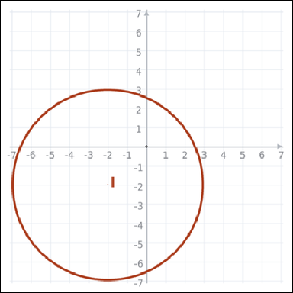 | 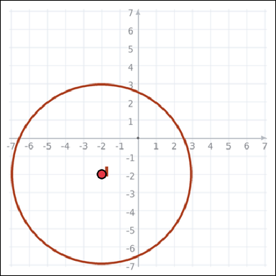 | task_geometry_measurement_length | circle_diameter | Work from the graph-paper image showing a circle. Determine the answer: What is the diameter of the circle in graph units? Return a valid JSON object with keys "evidence" and "answer" in that order. Evidence rule: set "evidence" to an array of exactly one graph-paper point for the circle center. Answer rule: set "answer" to the measurement value as an integer. Example JSON: {"evidence":[[0,0]],"answer":8} | Work from the graph-paper image showing a circle. Determine the answer: What is the diameter of the circle in graph units? Return a valid JSON object with key "answer". Answer requirement: set "answer" to the measurement value as an integer. Example JSON: {"answer":8} | {"evidence": [[-2, -2]], "answer": 10} | [[-2, -2]] | integer | graph_point_set | 606870835823539 | geometry/task_geometry_measurement_length/images/circle_diameter/0001.png | geometry/task_geometry_measurement_length/data/circle_diameter/0001.json
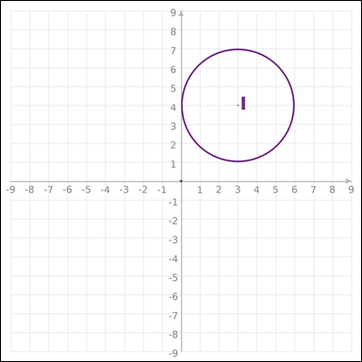 | 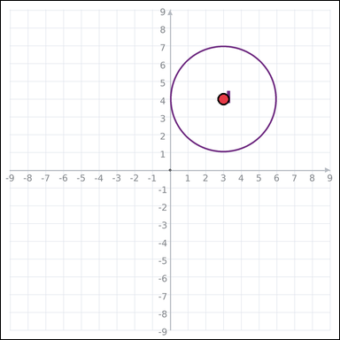 | task_geometry_measurement_length | circle_diameter | The graph-paper image shows a circle. Determine the answer: What is the diameter of the circle in graph units? Return a valid JSON object with keys "evidence" and "answer" in that order. Evidence format: set "evidence" to an array of exactly one graph-paper point for the circle center. Answer requirement: set "answer" to the measurement value as an integer. Example JSON: {"evidence":[[0,0]],"answer":8} | The graph-paper image shows a circle. Determine the answer: What is the diameter of the circle in graph units? Return a valid JSON object with key "answer". Answer field: set "answer" to the measurement value as an integer. Example JSON: {"answer":8} | {"evidence": [[3, 4]], "answer": 6} | [[3, 4]] | integer | graph_point_set | 1.2433880975E+15 | geometry/task_geometry_measurement_length/images/circle_diameter/0019.png | geometry/task_geometry_measurement_length/data/circle_diameter/0019.json
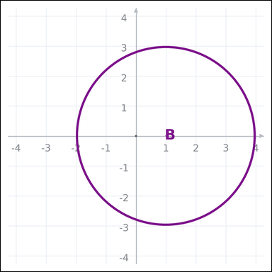 | 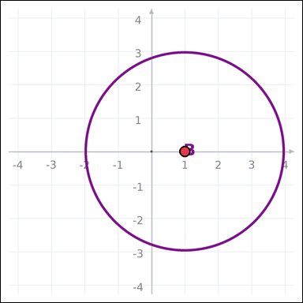 | task_geometry_measurement_length | circle_diameter | Work from the graph-paper image showing a circle. What is the diameter of the circle in graph units? Return a valid JSON object with keys "evidence" and "answer" in that order. Evidence: set "evidence" to an array of exactly one graph-paper point for the circle center. Answer: set "answer" to the measurement value as an integer. Example JSON: {"evidence":[[0,0]],"answer":8} | Work from the graph-paper image showing a circle. What is the diameter of the circle in graph units? Return a valid JSON object with key "answer". Answer: set "answer" to the measurement value as an integer. Example JSON: {"answer":8} | {"evidence": [[1, 0]], "answer": 6} | [[1, 0]] | integer | graph_point_set | 2.0663654648E+15 | geometry/task_geometry_measurement_length/images/circle_diameter/0005.png | geometry/task_geometry_measurement_length/data/circle_diameter/0005.json
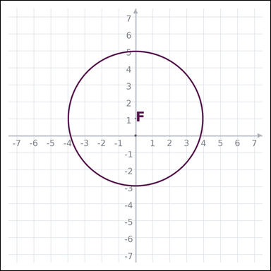 | 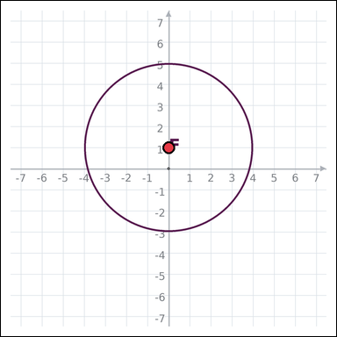 | task_geometry_measurement_length | circle_diameter | The graph-paper image shows a circle. Answer this question: What is the diameter of the circle in graph units? Return a valid JSON object with keys "evidence" and "answer" in that order. Evidence requirement: set "evidence" to an array of exactly one graph-paper point for the circle center. Answer format: set "answer" to the measurement value as an integer. Example JSON: {"evidence":[[0,0]],"answer":8} | The graph-paper image shows a circle. Answer this question: What is the diameter of the circle in graph units? Return a valid JSON object with key "answer". Answer format: set "answer" to the measurement value as an integer. Example JSON: {"answer":8} | {"evidence": [[0, 1]], "answer": 8} | [[0, 1]] | integer | graph_point_set | 2.552718495E+15 | geometry/task_geometry_measurement_length/images/circle_diameter/0018.png | geometry/task_geometry_measurement_length/data/circle_diameter/0018.json
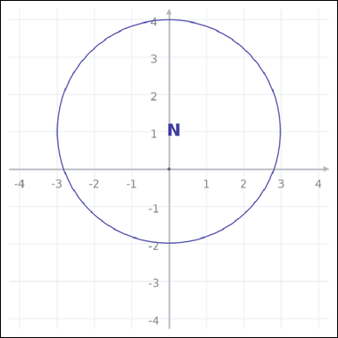 | 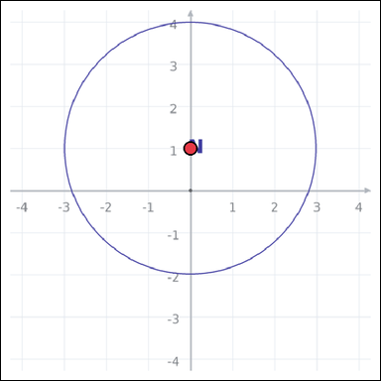 | task_geometry_measurement_length | circle_diameter | The graph-paper image shows a circle. What is the diameter of the circle in graph units? Return a valid JSON object with keys "evidence" and "answer" in that order. Evidence field: set "evidence" to an array of exactly one graph-paper point for the circle center. Answer field: set "answer" to the measurement value as an integer. Example JSON: {"evidence":[[0,0]],"answer":8} | The graph-paper image shows a circle. What is the diameter of the circle in graph units? Return a valid JSON object with key "answer". Answer requirement: set "answer" to the measurement value as an integer. Example JSON: {"answer":8} | {"evidence": [[0, 1]], "answer": 6} | [[0, 1]] | integer | graph_point_set | 2.6659548116E+15 | geometry/task_geometry_measurement_length/images/circle_diameter/0016.png | geometry/task_geometry_measurement_length/data/circle_diameter/0016.json
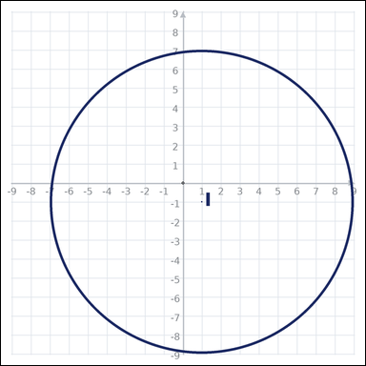 |  | task_geometry_measurement_length | circle_diameter | The graph-paper image shows a circle. Determine the answer: What is the diameter of the circle in graph units? Return a valid JSON object with keys "evidence" and "answer" in that order. Evidence: set "evidence" to an array of exactly one graph-paper point for the circle center. Answer: set "answer" to the measurement value as an integer. Example JSON: {"evidence":[[0,0]],"answer":8} | The graph-paper image shows a circle. Determine the answer: What is the diameter of the circle in graph units? Return a valid JSON object with key "answer". Answer format: set "answer" to the measurement value as an integer. Example JSON: {"answer":8} | {"evidence": [[1, -1]], "answer": 16} | [[1, -1]] | integer | graph_point_set | 2.6741271065E+15 | geometry/task_geometry_measurement_length/images/circle_diameter/0007.png | geometry/task_geometry_measurement_length/data/circle_diameter/0007.json
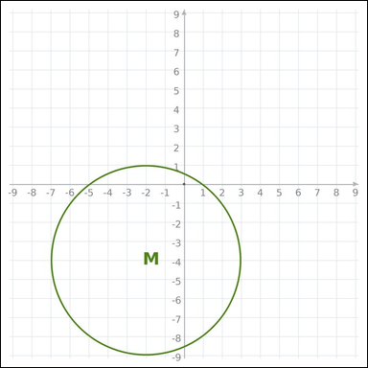 | 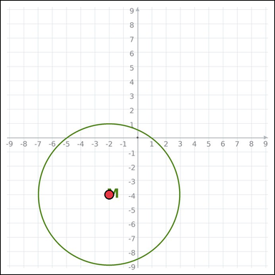 | task_geometry_measurement_length | circle_diameter | Look at the graph-paper image showing a circle. Determine the answer: What is the diameter of the circle in graph units? Return a valid JSON object with keys "evidence" and "answer" in that order. Evidence field: set "evidence" to an array of exactly one graph-paper point for the circle center. Answer field: set "answer" to the measurement value as an integer. Example JSON: {"evidence":[[0,0]],"answer":8} | Look at the graph-paper image showing a circle. Determine the answer: What is the diameter of the circle in graph units? Return a valid JSON object with key "answer". Answer rule: set "answer" to the measurement value as an integer. Example JSON: {"answer":8} | {"evidence": [[-2, -4]], "answer": 10} | [[-2, -4]] | integer | graph_point_set | 2.6952135276E+15 | geometry/task_geometry_measurement_length/images/circle_diameter/0002.png | geometry/task_geometry_measurement_length/data/circle_diameter/0002.json
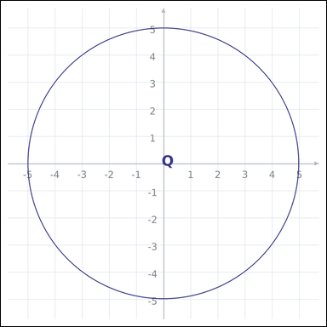 | 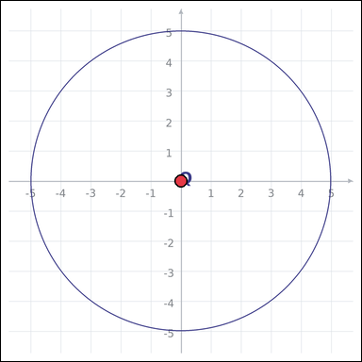 | task_geometry_measurement_length | circle_diameter | The graph-paper image shows a circle. Answer this question: What is the diameter of the circle in graph units? Return a valid JSON object with keys "evidence" and "answer" in that order. Evidence: set "evidence" to an array of exactly one graph-paper point for the circle center. Answer: set "answer" to the measurement value as an integer. Example JSON: {"evidence":[[0,0]],"answer":8} | The graph-paper image shows a circle. Answer this question: What is the diameter of the circle in graph units? Return a valid JSON object with key "answer". Answer requirement: set "answer" to the measurement value as an integer. Example JSON: {"answer":8} | {"evidence": [[0, 0]], "answer": 10} | [[0, 0]] | integer | graph_point_set | 3.1672537907E+15 | geometry/task_geometry_measurement_length/images/circle_diameter/0000.png | geometry/task_geometry_measurement_length/data/circle_diameter/0000.json
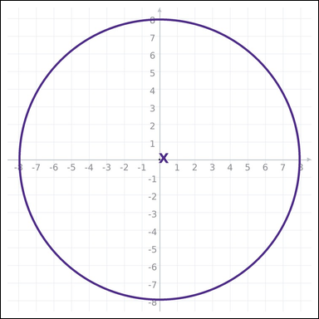 | 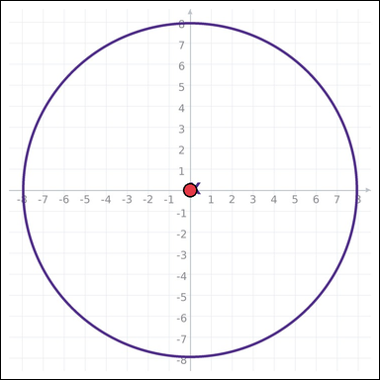 | task_geometry_measurement_length | circle_diameter | You are given a graph-paper image showing a circle. Task: What is the diameter of the circle in graph units? Return a valid JSON object with keys "evidence" and "answer" in that order. Evidence format: set "evidence" to an array of exactly one graph-paper point for the circle center. Answer requirement: set "answer" to the measurement value as an integer. Example JSON: {"evidence":[[0,0]],"answer":8} | You are given a graph-paper image showing a circle. Task: What is the diameter of the circle in graph units? Return a valid JSON object with key "answer". Answer requirement: set "answer" to the measurement value as an integer. Example JSON: {"answer":8} | {"evidence": [[0, 0]], "answer": 16} | [[0, 0]] | integer | graph_point_set | 4.1665800046E+15 | geometry/task_geometry_measurement_length/images/circle_diameter/0014.png | geometry/task_geometry_measurement_length/data/circle_diameter/0014.json
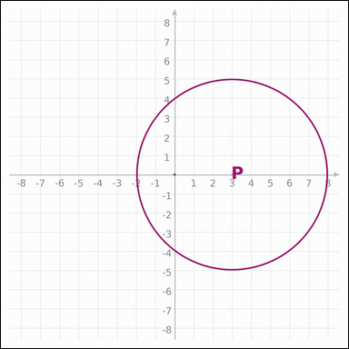 | 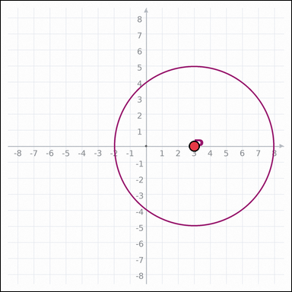 | task_geometry_measurement_length | circle_diameter | The graph-paper image shows a circle. Question: What is the diameter of the circle in graph units? Return a valid JSON object with keys "evidence" and "answer" in that order. Evidence rule: set "evidence" to an array of exactly one graph-paper point for the circle center. Answer rule: set "answer" to the measurement value as an integer. Example JSON: {"evidence":[[0,0]],"answer":8} | The graph-paper image shows a circle. Question: What is the diameter of the circle in graph units? Return a valid JSON object with key "answer". Answer requirement: set "answer" to the measurement value as an integer. Example JSON: {"answer":8} | {"evidence": [[3, 0]], "answer": 10} | [[3, 0]] | integer | graph_point_set | 4.2892018118E+15 | geometry/task_geometry_measurement_length/images/circle_diameter/0020.png | geometry/task_geometry_measurement_length/data/circle_diameter/0020.json
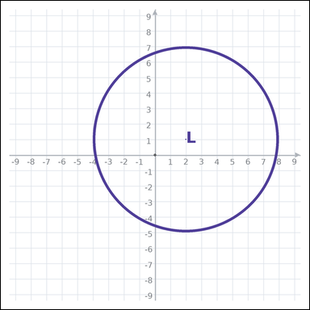 | 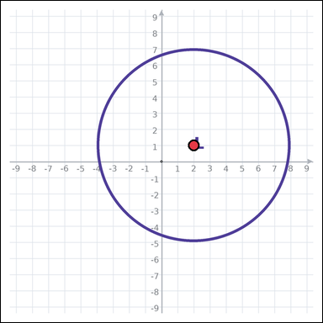 | task_geometry_measurement_length | circle_diameter | The graph-paper image shows a circle. Determine the answer: What is the diameter of the circle in graph units? Return a valid JSON object with keys "evidence" and "answer" in that order. Evidence field: set "evidence" to an array of exactly one graph-paper point for the circle center. Answer field: set "answer" to the measurement value as an integer. Example JSON: {"evidence":[[0,0]],"answer":8} | The graph-paper image shows a circle. Determine the answer: What is the diameter of the circle in graph units? Return a valid JSON object with key "answer". Answer rule: set "answer" to the measurement value as an integer. Example JSON: {"answer":8} | {"evidence": [[2, 1]], "answer": 12} | [[2, 1]] | integer | graph_point_set | 4.4591397966E+15 | geometry/task_geometry_measurement_length/images/circle_diameter/0023.png | geometry/task_geometry_measurement_length/data/circle_diameter/0023.json
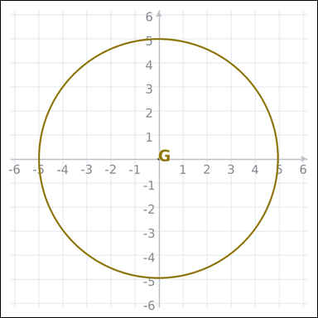 | 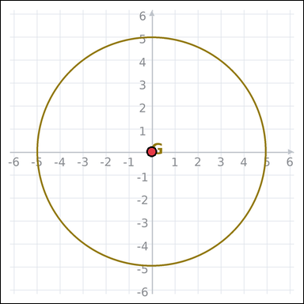 | task_geometry_measurement_length | circle_diameter | Use the graph-paper diagram showing a circle. What is the diameter of the circle in graph units? Return a valid JSON object with keys "evidence" and "answer" in that order. Evidence rule: set "evidence" to an array of exactly one graph-paper point for the circle center. Answer rule: set "answer" to the measurement value as an integer. Example JSON: {"evidence":[[0,0]],"answer":8} | Use the graph-paper diagram showing a circle. What is the diameter of the circle in graph units? Return a valid JSON object with key "answer". Answer format: set "answer" to the measurement value as an integer. Example JSON: {"answer":8} | {"evidence": [[0, 0]], "answer": 10} | [[0, 0]] | integer | graph_point_set | 4.7422390222E+15 | geometry/task_geometry_measurement_length/images/circle_diameter/0010.png | geometry/task_geometry_measurement_length/data/circle_diameter/0010.json
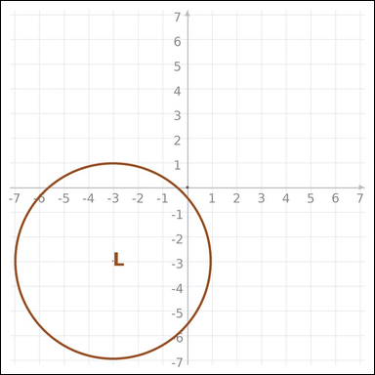 | 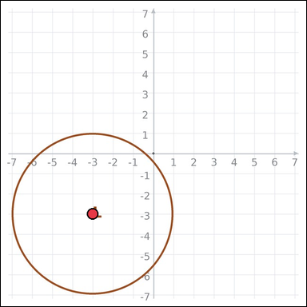 | task_geometry_measurement_length | circle_diameter | Use the graph-paper diagram showing a circle. What is the diameter of the circle in graph units? Return a valid JSON object with keys "evidence" and "answer" in that order. Evidence format: set "evidence" to an array of exactly one graph-paper point for the circle center. Answer requirement: set "answer" to the measurement value as an integer. Example JSON: {"evidence":[[0,0]],"answer":8} | Use the graph-paper diagram showing a circle. What is the diameter of the circle in graph units? Return a valid JSON object with key "answer". Answer: set "answer" to the measurement value as an integer. Example JSON: {"answer":8} | {"evidence": [[-3, -3]], "answer": 8} | [[-3, -3]] | integer | graph_point_set | 4.7968367818E+15 | geometry/task_geometry_measurement_length/images/circle_diameter/0004.png | geometry/task_geometry_measurement_length/data/circle_diameter/0004.json
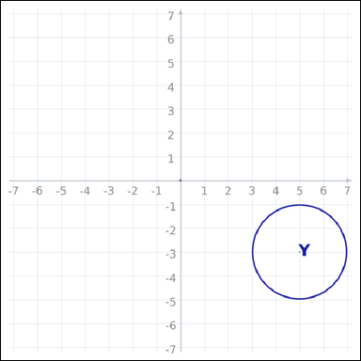 | 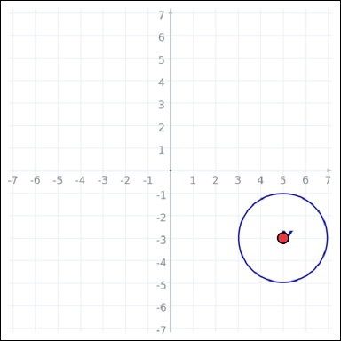 | task_geometry_measurement_length | circle_diameter | The graph-paper image shows a circle. Determine the answer: What is the diameter of the circle in graph units? Return a valid JSON object with keys "evidence" and "answer" in that order. Evidence rule: set "evidence" to an array of exactly one graph-paper point for the circle center. Answer rule: set "answer" to the measurement value as an integer. Example JSON: {"evidence":[[0,0]],"answer":8} | The graph-paper image shows a circle. Determine the answer: What is the diameter of the circle in graph units? Return a valid JSON object with key "answer". Answer: set "answer" to the measurement value as an integer. Example JSON: {"answer":8} | {"evidence": [[5, -3]], "answer": 4} | [[5, -3]] | integer | graph_point_set | 4.9503385253E+15 | geometry/task_geometry_measurement_length/images/circle_diameter/0006.png | geometry/task_geometry_measurement_length/data/circle_diameter/0006.json
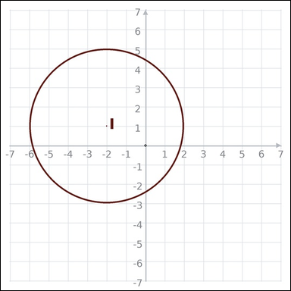 | 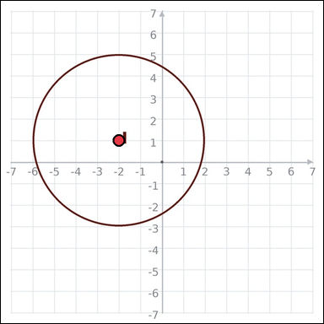 | task_geometry_measurement_length | circle_diameter | Look at the graph-paper image showing a circle. What is the diameter of the circle in graph units? Return a valid JSON object with keys "evidence" and "answer" in that order. Evidence: set "evidence" to an array of exactly one graph-paper point for the circle center. Answer: set "answer" to the measurement value as an integer. Example JSON: {"evidence":[[0,0]],"answer":8} | Look at the graph-paper image showing a circle. What is the diameter of the circle in graph units? Return a valid JSON object with key "answer". Answer field: set "answer" to the measurement value as an integer. Example JSON: {"answer":8} | {"evidence": [[-2, 1]], "answer": 8} | [[-2, 1]] | integer | graph_point_set | 5.1312755268E+15 | geometry/task_geometry_measurement_length/images/circle_diameter/0022.png | geometry/task_geometry_measurement_length/data/circle_diameter/0022.json
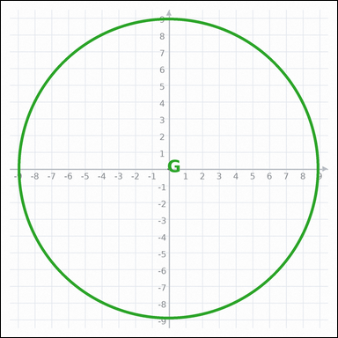 |  | task_geometry_measurement_length | circle_diameter | You are given a graph-paper image showing a circle. Question: What is the diameter of the circle in graph units? Return a valid JSON object with keys "evidence" and "answer" in that order. Evidence: set "evidence" to an array of exactly one graph-paper point for the circle center. Answer: set "answer" to the measurement value as an integer. Example JSON: {"evidence":[[0,0]],"answer":8} | You are given a graph-paper image showing a circle. Question: What is the diameter of the circle in graph units? Return a valid JSON object with key "answer". Answer format: set "answer" to the measurement value as an integer. Example JSON: {"answer":8} | {"evidence": [[0, 0]], "answer": 18} | [[0, 0]] | integer | graph_point_set | 5.427371365E+15 | geometry/task_geometry_measurement_length/images/circle_diameter/0013.png | geometry/task_geometry_measurement_length/data/circle_diameter/0013.json
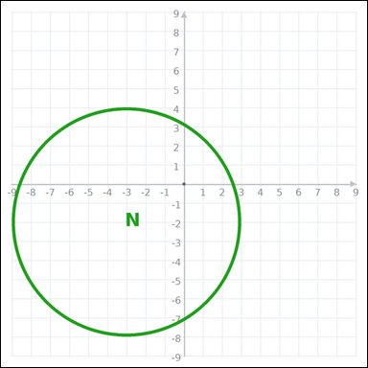 | 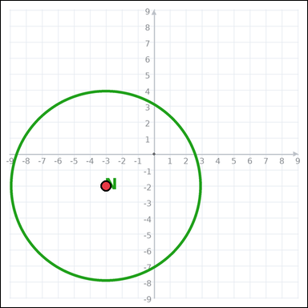 | task_geometry_measurement_length | circle_diameter | Work from the graph-paper image showing a circle. What is the diameter of the circle in graph units? Return a valid JSON object with keys "evidence" and "answer" in that order. Evidence: set "evidence" to an array of exactly one graph-paper point for the circle center. Answer: set "answer" to the measurement value as an integer. Example JSON: {"evidence":[[0,0]],"answer":8} | Work from the graph-paper image showing a circle. What is the diameter of the circle in graph units? Return a valid JSON object with key "answer". Answer requirement: set "answer" to the measurement value as an integer. Example JSON: {"answer":8} | {"evidence": [[-3, -2]], "answer": 12} | [[-3, -2]] | integer | graph_point_set | 6.5085370434E+15 | geometry/task_geometry_measurement_length/images/circle_diameter/0017.png | geometry/task_geometry_measurement_length/data/circle_diameter/0017.json
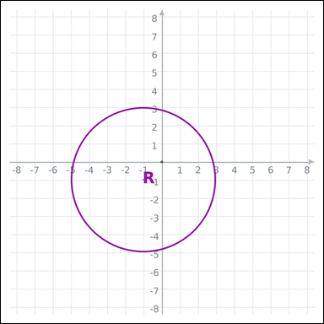 | 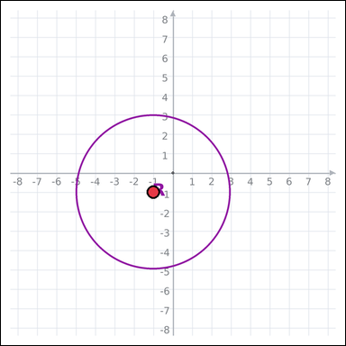 | task_geometry_measurement_length | circle_diameter | Work from the graph-paper image showing a circle. Answer this question: What is the diameter of the circle in graph units? Return a valid JSON object with keys "evidence" and "answer" in that order. Evidence format: set "evidence" to an array of exactly one graph-paper point for the circle center. Answer requirement: set "answer" to the measurement value as an integer. Example JSON: {"evidence":[[0,0]],"answer":8} | Work from the graph-paper image showing a circle. Answer this question: What is the diameter of the circle in graph units? Return a valid JSON object with key "answer". Answer rule: set "answer" to the measurement value as an integer. Example JSON: {"answer":8} | {"evidence": [[-1, -1]], "answer": 8} | [[-1, -1]] | integer | graph_point_set | 6.8212957932E+15 | geometry/task_geometry_measurement_length/images/circle_diameter/0021.png | geometry/task_geometry_measurement_length/data/circle_diameter/0021.json
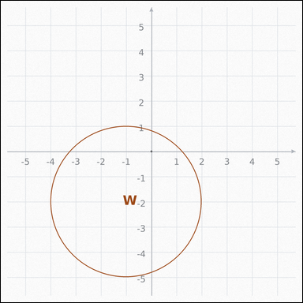 | 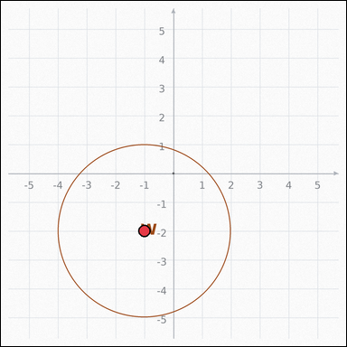 | task_geometry_measurement_length | circle_diameter | The graph-paper image shows a circle. What is the diameter of the circle in graph units? Return a valid JSON object with keys "evidence" and "answer" in that order. Evidence: set "evidence" to an array of exactly one graph-paper point for the circle center. Answer: set "answer" to the measurement value as an integer. Example JSON: {"evidence":[[0,0]],"answer":8} | The graph-paper image shows a circle. What is the diameter of the circle in graph units? Return a valid JSON object with key "answer". Answer requirement: set "answer" to the measurement value as an integer. Example JSON: {"answer":8} | {"evidence": [[-1, -2]], "answer": 6} | [[-1, -2]] | integer | graph_point_set | 7.3787285201E+15 | geometry/task_geometry_measurement_length/images/circle_diameter/0008.png | geometry/task_geometry_measurement_length/data/circle_diameter/0008.json
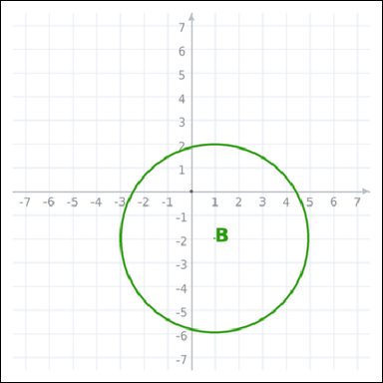 | 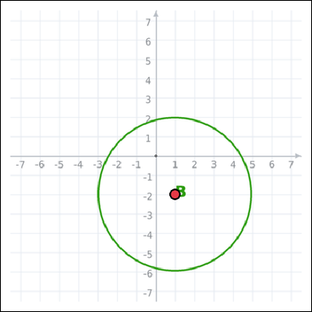 | task_geometry_measurement_length | circle_diameter | Look at the graph-paper image showing a circle. Question: What is the diameter of the circle in graph units? Return a valid JSON object with keys "evidence" and "answer" in that order. Evidence format: set "evidence" to an array of exactly one graph-paper point for the circle center. Answer requirement: set "answer" to the measurement value as an integer. Example JSON: {"evidence":[[0,0]],"answer":8} | Look at the graph-paper image showing a circle. Question: What is the diameter of the circle in graph units? Return a valid JSON object with key "answer". Answer field: set "answer" to the measurement value as an integer. Example JSON: {"answer":8} | {"evidence": [[1, -2]], "answer": 8} | [[1, -2]] | integer | graph_point_set | 7.9772628945E+15 | geometry/task_geometry_measurement_length/images/circle_diameter/0009.png | geometry/task_geometry_measurement_length/data/circle_diameter/0009.json
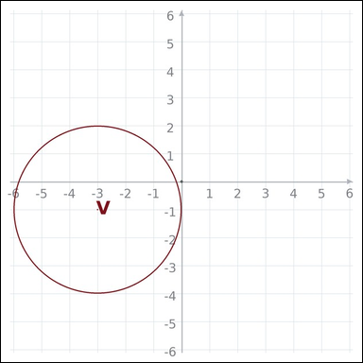 | 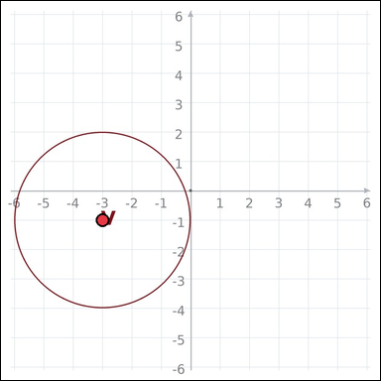 | task_geometry_measurement_length | circle_diameter | The graph-paper image shows a circle. Task: What is the diameter of the circle in graph units? Return a valid JSON object with keys "evidence" and "answer" in that order. Evidence rule: set "evidence" to an array of exactly one graph-paper point for the circle center. Answer rule: set "answer" to the measurement value as an integer. Example JSON: {"evidence":[[0,0]],"answer":8} | The graph-paper image shows a circle. Task: What is the diameter of the circle in graph units? Return a valid JSON object with key "answer". Answer format: set "answer" to the measurement value as an integer. Example JSON: {"answer":8} | {"evidence": [[-3, -1]], "answer": 6} | [[-3, -1]] | integer | graph_point_set | 8.0429829149E+15 | geometry/task_geometry_measurement_length/images/circle_diameter/0015.png | geometry/task_geometry_measurement_length/data/circle_diameter/0015.json
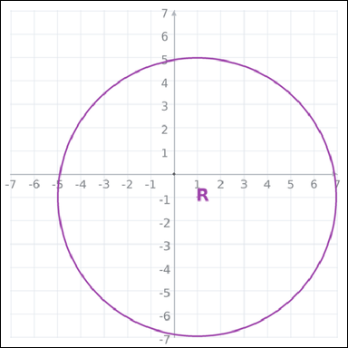 | 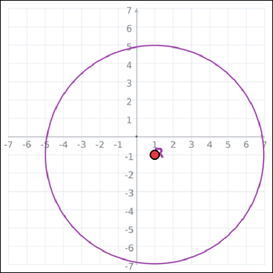 | task_geometry_measurement_length | circle_diameter | Work from the graph-paper image showing a circle. Task: What is the diameter of the circle in graph units? Return a valid JSON object with keys "evidence" and "answer" in that order. Evidence: set "evidence" to an array of exactly one graph-paper point for the circle center. Answer: set "answer" to the measurement value as an integer. Example JSON: {"evidence":[[0,0]],"answer":8} | Work from the graph-paper image showing a circle. Task: What is the diameter of the circle in graph units? Return a valid JSON object with key "answer". Answer format: set "answer" to the measurement value as an integer. Example JSON: {"answer":8} | {"evidence": [[1, -1]], "answer": 12} | [[1, -1]] | integer | graph_point_set | 8.4002232478E+15 | geometry/task_geometry_measurement_length/images/circle_diameter/0011.png | geometry/task_geometry_measurement_length/data/circle_diameter/0011.json
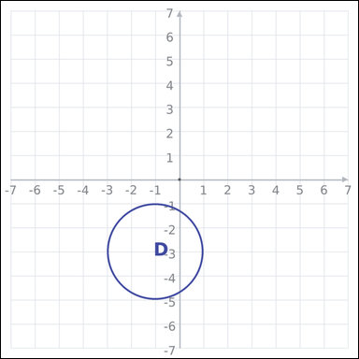 | 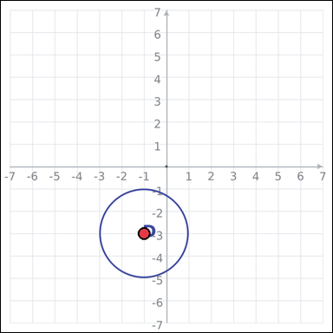 | task_geometry_measurement_length | circle_diameter | Look at the graph-paper image showing a circle. Determine the answer: What is the diameter of the circle in graph units? Return a valid JSON object with keys "evidence" and "answer" in that order. Evidence: set "evidence" to an array of exactly one graph-paper point for the circle center. Answer: set "answer" to the measurement value as an integer. Example JSON: {"evidence":[[0,0]],"answer":8} | Look at the graph-paper image showing a circle. Determine the answer: What is the diameter of the circle in graph units? Return a valid JSON object with key "answer". Answer requirement: set "answer" to the measurement value as an integer. Example JSON: {"answer":8} | {"evidence": [[-1, -3]], "answer": 4} | [[-1, -3]] | integer | graph_point_set | 8.7391046458E+15 | geometry/task_geometry_measurement_length/images/circle_diameter/0012.png | geometry/task_geometry_measurement_length/data/circle_diameter/0012.json
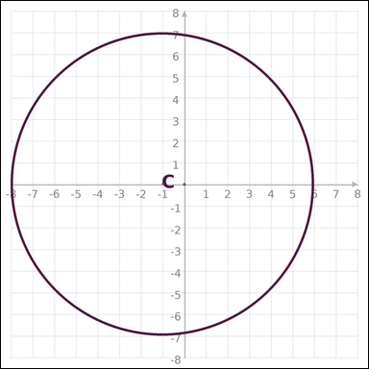 | 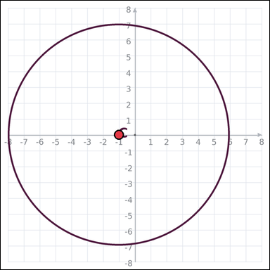 | task_geometry_measurement_length | circle_diameter | Work from the graph-paper image showing a circle. Determine the answer: What is the diameter of the circle in graph units? Return a valid JSON object with keys "evidence" and "answer" in that order. Evidence format: set "evidence" to an array of exactly one graph-paper point for the circle center. Answer requirement: set "answer" to the measurement value as an integer. Example JSON: {"evidence":[[0,0]],"answer":8} | Work from the graph-paper image showing a circle. Determine the answer: What is the diameter of the circle in graph units? Return a valid JSON object with key "answer". Answer field: set "answer" to the measurement value as an integer. Example JSON: {"answer":8} | {"evidence": [[-1, 0]], "answer": 14} | [[-1, 0]] | integer | graph_point_set | 8.7982281247E+15 | geometry/task_geometry_measurement_length/images/circle_diameter/0003.png | geometry/task_geometry_measurement_length/data/circle_diameter/0003.json
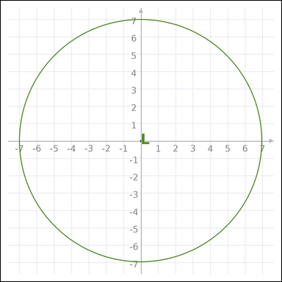 | 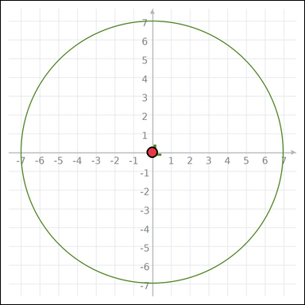 | task_geometry_measurement_length | circle_diameter | Work from the graph-paper image showing a circle. Answer this question: What is the diameter of the circle in graph units? Return a valid JSON object with keys "evidence" and "answer" in that order. Evidence rule: set "evidence" to an array of exactly one graph-paper point for the circle center. Answer rule: set "answer" to the measurement value as an integer. Example JSON: {"evidence":[[0,0]],"answer":8} | Work from the graph-paper image showing a circle. Answer this question: What is the diameter of the circle in graph units? Return a valid JSON object with key "answer". Answer field: set "answer" to the measurement value as an integer. Example JSON: {"answer":8} | {"evidence": [[0, 0]], "answer": 14} | [[0, 0]] | integer | graph_point_set | 8.8597823659E+15 | geometry/task_geometry_measurement_length/images/circle_diameter/0024.png | geometry/task_geometry_measurement_length/data/circle_diameter/0024.json

circle_radius
image | evidence_image | task | task_variant | prompt | prompt_answer_only | answer | answer_evidence | answer_type | evidence_type | instance_seed | image_path | data_path
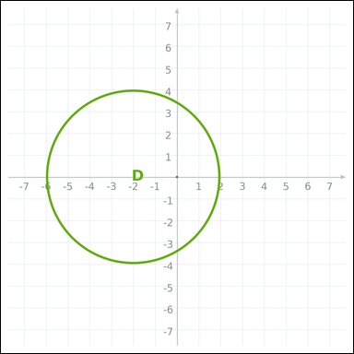 | 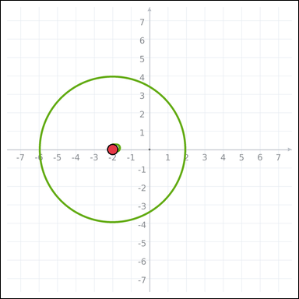 | task_geometry_measurement_length | circle_radius | Work from the graph-paper image showing a circle. Question: What is the radius of the circle in graph units? Return a valid JSON object with keys "evidence" and "answer" in that order. Evidence rule: set "evidence" to an array of exactly one graph-paper point for the circle center. Answer rule: set "answer" to the measurement value as an integer. Example JSON: {"evidence":[[0,0]],"answer":4} | Work from the graph-paper image showing a circle. Question: What is the radius of the circle in graph units? Return a valid JSON object with key "answer". Answer format: set "answer" to the measurement value as an integer. Example JSON: {"answer":8} | {"evidence": [[-2, 0]], "answer": 4} | [[-2, 0]] | integer | graph_point_set | 314150184821690 | geometry/task_geometry_measurement_length/images/circle_radius/0010.png | geometry/task_geometry_measurement_length/data/circle_radius/0010.json
 |  | task_geometry_measurement_length | circle_radius | The graph-paper image shows a circle. Determine the answer: What is the radius of the circle in graph units? Return a valid JSON object with keys "evidence" and "answer" in that order. Evidence field: set "evidence" to an array of exactly one graph-paper point for the circle center. Answer field: set "answer" to the measurement value as an integer. Example JSON: {"evidence":[[0,0]],"answer":4} | The graph-paper image shows a circle. Determine the answer: What is the radius of the circle in graph units? Return a valid JSON object with key "answer". Answer: set "answer" to the measurement value as an integer. Example JSON: {"answer":8} | {"evidence": [[0, -3]], "answer": 5} | [[0, -3]] | integer | graph_point_set | 396992832723227 | geometry/task_geometry_measurement_length/images/circle_radius/0020.png | geometry/task_geometry_measurement_length/data/circle_radius/0020.json
 |  | task_geometry_measurement_length | circle_radius | Work from the graph-paper image showing a circle. Task: What is the radius of the circle in graph units? Return a valid JSON object with keys "evidence" and "answer" in that order. Evidence rule: set "evidence" to an array of exactly one graph-paper point for the circle center. Answer rule: set "answer" to the measurement value as an integer. Example JSON: {"evidence":[[0,0]],"answer":4} | Work from the graph-paper image showing a circle. Task: What is the radius of the circle in graph units? Return a valid JSON object with key "answer". Answer requirement: set "answer" to the measurement value as an integer. Example JSON: {"answer":8} | {"evidence": [[0, 0]], "answer": 9} | [[0, 0]] | integer | graph_point_set | 569183835187711 | geometry/task_geometry_measurement_length/images/circle_radius/0024.png | geometry/task_geometry_measurement_length/data/circle_radius/0024.json
 |  | task_geometry_measurement_length | circle_radius | Use the graph-paper diagram showing a circle. Answer this question: What is the radius of the circle in graph units? Return a valid JSON object with keys "evidence" and "answer" in that order. Evidence rule: set "evidence" to an array of exactly one graph-paper point for the circle center. Answer rule: set "answer" to the measurement value as an integer. Example JSON: {"evidence":[[0,0]],"answer":4} | Use the graph-paper diagram showing a circle. Answer this question: What is the radius of the circle in graph units? Return a valid JSON object with key "answer". Answer rule: set "answer" to the measurement value as an integer. Example JSON: {"answer":8} | {"evidence": [[-1, 1]], "answer": 7} | [[-1, 1]] | integer | graph_point_set | 646252666587565 | geometry/task_geometry_measurement_length/images/circle_radius/0007.png | geometry/task_geometry_measurement_length/data/circle_radius/0007.json
 |  | task_geometry_measurement_length | circle_radius | You are given a graph-paper image showing a circle. Task: What is the radius of the circle in graph units? Return a valid JSON object with keys "evidence" and "answer" in that order. Evidence requirement: set "evidence" to an array of exactly one graph-paper point for the circle center. Answer format: set "answer" to the measurement value as an integer. Example JSON: {"evidence":[[0,0]],"answer":4} | You are given a graph-paper image showing a circle. Task: What is the radius of the circle in graph units? Return a valid JSON object with key "answer". Answer requirement: set "answer" to the measurement value as an integer. Example JSON: {"answer":8} | {"evidence": [[1, 1]], "answer": 4} | [[1, 1]] | integer | graph_point_set | 1.9493163107E+15 | geometry/task_geometry_measurement_length/images/circle_radius/0012.png | geometry/task_geometry_measurement_length/data/circle_radius/0012.json
 |  | task_geometry_measurement_length | circle_radius | Use the graph-paper diagram showing a circle. Answer this question: What is the radius of the circle in graph units? Return a valid JSON object with keys "evidence" and "answer" in that order. Evidence rule: set "evidence" to an array of exactly one graph-paper point for the circle center. Answer rule: set "answer" to the measurement value as an integer. Example JSON: {"evidence":[[0,0]],"answer":4} | Use the graph-paper diagram showing a circle. Answer this question: What is the radius of the circle in graph units? Return a valid JSON object with key "answer". Answer requirement: set "answer" to the measurement value as an integer. Example JSON: {"answer":8} | {"evidence": [[-4, -4]], "answer": 3} | [[-4, -4]] | integer | graph_point_set | 2.3832444622E+15 | geometry/task_geometry_measurement_length/images/circle_radius/0006.png | geometry/task_geometry_measurement_length/data/circle_radius/0006.json
 |  | task_geometry_measurement_length | circle_radius | The graph-paper image shows a circle. Question: What is the radius of the circle in graph units? Return a valid JSON object with keys "evidence" and "answer" in that order. Evidence: set "evidence" to an array of exactly one graph-paper point for the circle center. Answer: set "answer" to the measurement value as an integer. Example JSON: {"evidence":[[0,0]],"answer":4} | The graph-paper image shows a circle. Question: What is the radius of the circle in graph units? Return a valid JSON object with key "answer". Answer field: set "answer" to the measurement value as an integer. Example JSON: {"answer":8} | {"evidence": [[3, 2]], "answer": 4} | [[3, 2]] | integer | graph_point_set | 2.8536596693E+15 | geometry/task_geometry_measurement_length/images/circle_radius/0004.png | geometry/task_geometry_measurement_length/data/circle_radius/0004.json
 |  | task_geometry_measurement_length | circle_radius | Look at the graph-paper image showing a circle. Determine the answer: What is the radius of the circle in graph units? Return a valid JSON object with keys "evidence" and "answer" in that order. Evidence requirement: set "evidence" to an array of exactly one graph-paper point for the circle center. Answer format: set "answer" to the measurement value as an integer. Example JSON: {"evidence":[[0,0]],"answer":4} | Look at the graph-paper image showing a circle. Determine the answer: What is the radius of the circle in graph units? Return a valid JSON object with key "answer". Answer: set "answer" to the measurement value as an integer. Example JSON: {"answer":8} | {"evidence": [[0, 0]], "answer": 2} | [[0, 0]] | integer | graph_point_set | 3.1322335339E+15 | geometry/task_geometry_measurement_length/images/circle_radius/0016.png | geometry/task_geometry_measurement_length/data/circle_radius/0016.json
 |  | task_geometry_measurement_length | circle_radius | Look at the graph-paper image showing a circle. What is the radius of the circle in graph units? Return a valid JSON object with keys "evidence" and "answer" in that order. Evidence: set "evidence" to an array of exactly one graph-paper point for the circle center. Answer: set "answer" to the measurement value as an integer. Example JSON: {"evidence":[[0,0]],"answer":4} | Look at the graph-paper image showing a circle. What is the radius of the circle in graph units? Return a valid JSON object with key "answer". Answer format: set "answer" to the measurement value as an integer. Example JSON: {"answer":8} | {"evidence": [[0, 0]], "answer": 7} | [[0, 0]] | integer | graph_point_set | 3.2160173025E+15 | geometry/task_geometry_measurement_length/images/circle_radius/0015.png | geometry/task_geometry_measurement_length/data/circle_radius/0015.json
 |  | task_geometry_measurement_length | circle_radius | Work from the graph-paper image showing a circle. Task: What is the radius of the circle in graph units? Return a valid JSON object with keys "evidence" and "answer" in that order. Evidence rule: set "evidence" to an array of exactly one graph-paper point for the circle center. Answer rule: set "answer" to the measurement value as an integer. Example JSON: {"evidence":[[0,0]],"answer":4} | Work from the graph-paper image showing a circle. Task: What is the radius of the circle in graph units? Return a valid JSON object with key "answer". Answer format: set "answer" to the measurement value as an integer. Example JSON: {"answer":8} | {"evidence": [[0, -1]], "answer": 8} | [[0, -1]] | integer | graph_point_set | 4.0548474067E+15 | geometry/task_geometry_measurement_length/images/circle_radius/0009.png | geometry/task_geometry_measurement_length/data/circle_radius/0009.json
 |  | task_geometry_measurement_length | circle_radius | Work from the graph-paper image showing a circle. Determine the answer: What is the radius of the circle in graph units? Return a valid JSON object with keys "evidence" and "answer" in that order. Evidence format: set "evidence" to an array of exactly one graph-paper point for the circle center. Answer requirement: set "answer" to the measurement value as an integer. Example JSON: {"evidence":[[0,0]],"answer":4} | Work from the graph-paper image showing a circle. Determine the answer: What is the radius of the circle in graph units? Return a valid JSON object with key "answer". Answer field: set "answer" to the measurement value as an integer. Example JSON: {"answer":8} | {"evidence": [[0, 0]], "answer": 9} | [[0, 0]] | integer | graph_point_set | 4.3090028474E+15 | geometry/task_geometry_measurement_length/images/circle_radius/0014.png | geometry/task_geometry_measurement_length/data/circle_radius/0014.json
 |  | task_geometry_measurement_length | circle_radius | You are given a graph-paper image showing a circle. Determine the answer: What is the radius of the circle in graph units? Return a valid JSON object with keys "evidence" and "answer" in that order. Evidence rule: set "evidence" to an array of exactly one graph-paper point for the circle center. Answer rule: set "answer" to the measurement value as an integer. Example JSON: {"evidence":[[0,0]],"answer":4} | You are given a graph-paper image showing a circle. Determine the answer: What is the radius of the circle in graph units? Return a valid JSON object with key "answer". Answer format: set "answer" to the measurement value as an integer. Example JSON: {"answer":8} | {"evidence": [[0, 0]], "answer": 6} | [[0, 0]] | integer | graph_point_set | 4.9207322412E+15 | geometry/task_geometry_measurement_length/images/circle_radius/0019.png | geometry/task_geometry_measurement_length/data/circle_radius/0019.json
 |  | task_geometry_measurement_length | circle_radius | Look at the graph-paper image showing a circle. What is the radius of the circle in graph units? Return a valid JSON object with keys "evidence" and "answer" in that order. Evidence requirement: set "evidence" to an array of exactly one graph-paper point for the circle center. Answer format: set "answer" to the measurement value as an integer. Example JSON: {"evidence":[[0,0]],"answer":4} | Look at the graph-paper image showing a circle. What is the radius of the circle in graph units? Return a valid JSON object with key "answer". Answer rule: set "answer" to the measurement value as an integer. Example JSON: {"answer":8} | {"evidence": [[0, 0]], "answer": 7} | [[0, 0]] | integer | graph_point_set | 5.1447559396E+15 | geometry/task_geometry_measurement_length/images/circle_radius/0022.png | geometry/task_geometry_measurement_length/data/circle_radius/0022.json
 |  | task_geometry_measurement_length | circle_radius | Use the graph-paper diagram showing a circle. Answer this question: What is the radius of the circle in graph units? Return a valid JSON object with keys "evidence" and "answer" in that order. Evidence field: set "evidence" to an array of exactly one graph-paper point for the circle center. Answer field: set "answer" to the measurement value as an integer. Example JSON: {"evidence":[[0,0]],"answer":4} | Use the graph-paper diagram showing a circle. Answer this question: What is the radius of the circle in graph units? Return a valid JSON object with key "answer". Answer format: set "answer" to the measurement value as an integer. Example JSON: {"answer":8} | {"evidence": [[-4, -5]], "answer": 3} | [[-4, -5]] | integer | graph_point_set | 5.5455103181E+15 | geometry/task_geometry_measurement_length/images/circle_radius/0005.png | geometry/task_geometry_measurement_length/data/circle_radius/0005.json
 |  | task_geometry_measurement_length | circle_radius | Look at the graph-paper image showing a circle. Determine the answer: What is the radius of the circle in graph units? Return a valid JSON object with keys "evidence" and "answer" in that order. Evidence format: set "evidence" to an array of exactly one graph-paper point for the circle center. Answer requirement: set "answer" to the measurement value as an integer. Example JSON: {"evidence":[[0,0]],"answer":4} | Look at the graph-paper image showing a circle. Determine the answer: What is the radius of the circle in graph units? Return a valid JSON object with key "answer". Answer format: set "answer" to the measurement value as an integer. Example JSON: {"answer":8} | {"evidence": [[-1, 2]], "answer": 5} | [[-1, 2]] | integer | graph_point_set | 5.5488776454E+15 | geometry/task_geometry_measurement_length/images/circle_radius/0011.png | geometry/task_geometry_measurement_length/data/circle_radius/0011.json
 |  | task_geometry_measurement_length | circle_radius | Work from the graph-paper image showing a circle. What is the radius of the circle in graph units? Return a valid JSON object with keys "evidence" and "answer" in that order. Evidence field: set "evidence" to an array of exactly one graph-paper point for the circle center. Answer field: set "answer" to the measurement value as an integer. Example JSON: {"evidence":[[0,0]],"answer":4} | Work from the graph-paper image showing a circle. What is the radius of the circle in graph units? Return a valid JSON object with key "answer". Answer requirement: set "answer" to the measurement value as an integer. Example JSON: {"answer":8} | {"evidence": [[-3, 2]], "answer": 2} | [[-3, 2]] | integer | graph_point_set | 5.8255921401E+15 | geometry/task_geometry_measurement_length/images/circle_radius/0001.png | geometry/task_geometry_measurement_length/data/circle_radius/0001.json
 |  | task_geometry_measurement_length | circle_radius | Look at the graph-paper image showing a circle. Question: What is the radius of the circle in graph units? Return a valid JSON object with keys "evidence" and "answer" in that order. Evidence field: set "evidence" to an array of exactly one graph-paper point for the circle center. Answer field: set "answer" to the measurement value as an integer. Example JSON: {"evidence":[[0,0]],"answer":4} | Look at the graph-paper image showing a circle. Question: What is the radius of the circle in graph units? Return a valid JSON object with key "answer". Answer field: set "answer" to the measurement value as an integer. Example JSON: {"answer":8} | {"evidence": [[-2, 2]], "answer": 3} | [[-2, 2]] | integer | graph_point_set | 6.0174297845E+15 | geometry/task_geometry_measurement_length/images/circle_radius/0013.png | geometry/task_geometry_measurement_length/data/circle_radius/0013.json
 |  | task_geometry_measurement_length | circle_radius | Look at the graph-paper image showing a circle. Answer this question: What is the radius of the circle in graph units? Return a valid JSON object with keys "evidence" and "answer" in that order. Evidence format: set "evidence" to an array of exactly one graph-paper point for the circle center. Answer requirement: set "answer" to the measurement value as an integer. Example JSON: {"evidence":[[0,0]],"answer":4} | Look at the graph-paper image showing a circle. Answer this question: What is the radius of the circle in graph units? Return a valid JSON object with key "answer". Answer requirement: set "answer" to the measurement value as an integer. Example JSON: {"answer":8} | {"evidence": [[-1, -1]], "answer": 8} | [[-1, -1]] | integer | graph_point_set | 6.1298227045E+15 | geometry/task_geometry_measurement_length/images/circle_radius/0008.png | geometry/task_geometry_measurement_length/data/circle_radius/0008.json
 |  | task_geometry_measurement_length | circle_radius | Look at the graph-paper image showing a circle. What is the radius of the circle in graph units? Return a valid JSON object with keys "evidence" and "answer" in that order. Evidence format: set "evidence" to an array of exactly one graph-paper point for the circle center. Answer requirement: set "answer" to the measurement value as an integer. Example JSON: {"evidence":[[0,0]],"answer":4} | Look at the graph-paper image showing a circle. What is the radius of the circle in graph units? Return a valid JSON object with key "answer". Answer field: set "answer" to the measurement value as an integer. Example JSON: {"answer":8} | {"evidence": [[0, 0]], "answer": 2} | [[0, 0]] | integer | graph_point_set | 6.183745752E+15 | geometry/task_geometry_measurement_length/images/circle_radius/0021.png | geometry/task_geometry_measurement_length/data/circle_radius/0021.json
 |  | task_geometry_measurement_length | circle_radius | Work from the graph-paper image showing a circle. Question: What is the radius of the circle in graph units? Return a valid JSON object with keys "evidence" and "answer" in that order. Evidence format: set "evidence" to an array of exactly one graph-paper point for the circle center. Answer requirement: set "answer" to the measurement value as an integer. Example JSON: {"evidence":[[0,0]],"answer":4} | Work from the graph-paper image showing a circle. Question: What is the radius of the circle in graph units? Return a valid JSON object with key "answer". Answer format: set "answer" to the measurement value as an integer. Example JSON: {"answer":8} | {"evidence": [[0, 0]], "answer": 8} | [[0, 0]] | integer | graph_point_set | 6.4353259884E+15 | geometry/task_geometry_measurement_length/images/circle_radius/0003.png | geometry/task_geometry_measurement_length/data/circle_radius/0003.json
 |  | task_geometry_measurement_length | circle_radius | Work from the graph-paper image showing a circle. What is the radius of the circle in graph units? Return a valid JSON object with keys "evidence" and "answer" in that order. Evidence requirement: set "evidence" to an array of exactly one graph-paper point for the circle center. Answer format: set "answer" to the measurement value as an integer. Example JSON: {"evidence":[[0,0]],"answer":4} | Work from the graph-paper image showing a circle. What is the radius of the circle in graph units? Return a valid JSON object with key "answer". Answer: set "answer" to the measurement value as an integer. Example JSON: {"answer":8} | {"evidence": [[-6, -2]], "answer": 2} | [[-6, -2]] | integer | graph_point_set | 6.5313337523E+15 | geometry/task_geometry_measurement_length/images/circle_radius/0002.png | geometry/task_geometry_measurement_length/data/circle_radius/0002.json
 |  | task_geometry_measurement_length | circle_radius | Work from the graph-paper image showing a circle. Task: What is the radius of the circle in graph units? Return a valid JSON object with keys "evidence" and "answer" in that order. Evidence: set "evidence" to an array of exactly one graph-paper point for the circle center. Answer: set "answer" to the measurement value as an integer. Example JSON: {"evidence":[[0,0]],"answer":4} | Work from the graph-paper image showing a circle. Task: What is the radius of the circle in graph units? Return a valid JSON object with key "answer". Answer rule: set "answer" to the measurement value as an integer. Example JSON: {"answer":8} | {"evidence": [[2, 2]], "answer": 3} | [[2, 2]] | integer | graph_point_set | 7.0259687496E+15 | geometry/task_geometry_measurement_length/images/circle_radius/0017.png | geometry/task_geometry_measurement_length/data/circle_radius/0017.json
 |  | task_geometry_measurement_length | circle_radius | Use the graph-paper diagram showing a circle. Answer this question: What is the radius of the circle in graph units? Return a valid JSON object with keys "evidence" and "answer" in that order. Evidence field: set "evidence" to an array of exactly one graph-paper point for the circle center. Answer field: set "answer" to the measurement value as an integer. Example JSON: {"evidence":[[0,0]],"answer":4} | Use the graph-paper diagram showing a circle. Answer this question: What is the radius of the circle in graph units? Return a valid JSON object with key "answer". Answer format: set "answer" to the measurement value as an integer. Example JSON: {"answer":8} | {"evidence": [[-2, 0]], "answer": 2} | [[-2, 0]] | integer | graph_point_set | 7.4530363236E+15 | geometry/task_geometry_measurement_length/images/circle_radius/0000.png | geometry/task_geometry_measurement_length/data/circle_radius/0000.json
 |  | task_geometry_measurement_length | circle_radius | You are given a graph-paper image showing a circle. Determine the answer: What is the radius of the circle in graph units? Return a valid JSON object with keys "evidence" and "answer" in that order. Evidence format: set "evidence" to an array of exactly one graph-paper point for the circle center. Answer requirement: set "answer" to the measurement value as an integer. Example JSON: {"evidence":[[0,0]],"answer":4} | You are given a graph-paper image showing a circle. Determine the answer: What is the radius of the circle in graph units? Return a valid JSON object with key "answer". Answer: set "answer" to the measurement value as an integer. Example JSON: {"answer":8} | {"evidence": [[0, 0]], "answer": 6} | [[0, 0]] | integer | graph_point_set | 8.3376061638E+15 | geometry/task_geometry_measurement_length/images/circle_radius/0018.png | geometry/task_geometry_measurement_length/data/circle_radius/0018.json
 |  | task_geometry_measurement_length | circle_radius | Use the graph-paper diagram showing a circle. Determine the answer: What is the radius of the circle in graph units? Return a valid JSON object with keys "evidence" and "answer" in that order. Evidence requirement: set "evidence" to an array of exactly one graph-paper point for the circle center. Answer format: set "answer" to the measurement value as an integer. Example JSON: {"evidence":[[0,0]],"answer":4} | Use the graph-paper diagram showing a circle. Determine the answer: What is the radius of the circle in graph units? Return a valid JSON object with key "answer". Answer: set "answer" to the measurement value as an integer. Example JSON: {"answer":8} | {"evidence": [[-3, -2]], "answer": 4} | [[-3, -2]] | integer | graph_point_set | 8.7033363954E+15 | geometry/task_geometry_measurement_length/images/circle_radius/0023.png | geometry/task_geometry_measurement_length/data/circle_radius/0023.json

ellipse_major_axis
image | evidence_image | task | task_variant | prompt | prompt_answer_only | answer | answer_evidence | answer_type | evidence_type | instance_seed | image_path | data_path
 |  | task_geometry_measurement_length | ellipse_major_axis | Work from the graph-paper image showing an ellipse. Determine the answer: What is the length of the major axis of the ellipse in graph units? Return a valid JSON object with keys "evidence" and "answer" in that order. Evidence: set "evidence" to an array of exactly two graph-paper points for the measured ellipse-axis endpoints. Answer: set "answer" to the measurement value as an integer. Example JSON: {"evidence":[[-4,0],[4,0]],"answer":8} | Work from the graph-paper image showing an ellipse. Determine the answer: What is the length of the major axis of the ellipse in graph units? Return a valid JSON object with key "answer". Answer: set "answer" to the measurement value as an integer. Example JSON: {"answer":8} | {"evidence": [[-3, 7], [-3, -7]], "answer": 14} | [[-3, 7], [-3, -7]] | integer | graph_point_set | 169199057175992 | geometry/task_geometry_measurement_length/images/ellipse_major_axis/0010.png | geometry/task_geometry_measurement_length/data/ellipse_major_axis/0010.json
 |  | task_geometry_measurement_length | ellipse_major_axis | The graph-paper image shows an ellipse. Answer this question: What is the length of the major axis of the ellipse in graph units? Return a valid JSON object with keys "evidence" and "answer" in that order. Evidence format: set "evidence" to an array of exactly two graph-paper points for the measured ellipse-axis endpoints. Answer requirement: set "answer" to the measurement value as an integer. Example JSON: {"evidence":[[-4,0],[4,0]],"answer":8} | The graph-paper image shows an ellipse. Answer this question: What is the length of the major axis of the ellipse in graph units? Return a valid JSON object with key "answer". Answer rule: set "answer" to the measurement value as an integer. Example JSON: {"answer":8} | {"evidence": [[-9, 1], [9, 1]], "answer": 18} | [[-9, 1], [9, 1]] | integer | graph_point_set | 1.2419127152E+15 | geometry/task_geometry_measurement_length/images/ellipse_major_axis/0006.png | geometry/task_geometry_measurement_length/data/ellipse_major_axis/0006.json
 |  | task_geometry_measurement_length | ellipse_major_axis | Look at the graph-paper image showing an ellipse. Answer this question: What is the length of the major axis of the ellipse in graph units? Return a valid JSON object with keys "evidence" and "answer" in that order. Evidence format: set "evidence" to an array of exactly two graph-paper points for the measured ellipse-axis endpoints. Answer requirement: set "answer" to the measurement value as an integer. Example JSON: {"evidence":[[-4,0],[4,0]],"answer":8} | Look at the graph-paper image showing an ellipse. Answer this question: What is the length of the major axis of the ellipse in graph units? Return a valid JSON object with key "answer". Answer rule: set "answer" to the measurement value as an integer. Example JSON: {"answer":8} | {"evidence": [[-9, -4], [9, -4]], "answer": 18} | [[-9, -4], [9, -4]] | integer | graph_point_set | 1.3026206136E+15 | geometry/task_geometry_measurement_length/images/ellipse_major_axis/0012.png | geometry/task_geometry_measurement_length/data/ellipse_major_axis/0012.json
 |  | task_geometry_measurement_length | ellipse_major_axis | The graph-paper image shows an ellipse. What is the length of the major axis of the ellipse in graph units? Return a valid JSON object with keys "evidence" and "answer" in that order. Evidence field: set "evidence" to an array of exactly two graph-paper points for the measured ellipse-axis endpoints. Answer field: set "answer" to the measurement value as an integer. Example JSON: {"evidence":[[-4,0],[4,0]],"answer":8} | The graph-paper image shows an ellipse. What is the length of the major axis of the ellipse in graph units? Return a valid JSON object with key "answer". Answer format: set "answer" to the measurement value as an integer. Example JSON: {"answer":8} | {"evidence": [[-9, -7], [9, -7]], "answer": 18} | [[-9, -7], [9, -7]] | integer | graph_point_set | 1.4690807542E+15 | geometry/task_geometry_measurement_length/images/ellipse_major_axis/0024.png | geometry/task_geometry_measurement_length/data/ellipse_major_axis/0024.json
 |  | task_geometry_measurement_length | ellipse_major_axis | Work from the graph-paper image showing an ellipse. What is the length of the major axis of the ellipse in graph units? Return a valid JSON object with keys "evidence" and "answer" in that order. Evidence: set "evidence" to an array of exactly two graph-paper points for the measured ellipse-axis endpoints. Answer: set "answer" to the measurement value as an integer. Example JSON: {"evidence":[[-4,0],[4,0]],"answer":8} | Work from the graph-paper image showing an ellipse. What is the length of the major axis of the ellipse in graph units? Return a valid JSON object with key "answer". Answer rule: set "answer" to the measurement value as an integer. Example JSON: {"answer":8} | {"evidence": [[-8, -5], [2, -5]], "answer": 10} | [[-8, -5], [2, -5]] | integer | graph_point_set | 1.8625302552E+15 | geometry/task_geometry_measurement_length/images/ellipse_major_axis/0015.png | geometry/task_geometry_measurement_length/data/ellipse_major_axis/0015.json
 |  | task_geometry_measurement_length | ellipse_major_axis | Use the graph-paper diagram showing an ellipse. Determine the answer: What is the length of the major axis of the ellipse in graph units? Return a valid JSON object with keys "evidence" and "answer" in that order. Evidence rule: set "evidence" to an array of exactly two graph-paper points for the measured ellipse-axis endpoints. Answer rule: set "answer" to the measurement value as an integer. Example JSON: {"evidence":[[-4,0],[4,0]],"answer":8} | Use the graph-paper diagram showing an ellipse. Determine the answer: What is the length of the major axis of the ellipse in graph units? Return a valid JSON object with key "answer". Answer rule: set "answer" to the measurement value as an integer. Example JSON: {"answer":8} | {"evidence": [[-1, 8], [-1, -8]], "answer": 16} | [[-1, 8], [-1, -8]] | integer | graph_point_set | 2.4427598402E+15 | geometry/task_geometry_measurement_length/images/ellipse_major_axis/0017.png | geometry/task_geometry_measurement_length/data/ellipse_major_axis/0017.json
 |  | task_geometry_measurement_length | ellipse_major_axis | You are given a graph-paper image showing an ellipse. Determine the answer: What is the length of the major axis of the ellipse in graph units? Return a valid JSON object with keys "evidence" and "answer" in that order. Evidence format: set "evidence" to an array of exactly two graph-paper points for the measured ellipse-axis endpoints. Answer requirement: set "answer" to the measurement value as an integer. Example JSON: {"evidence":[[-4,0],[4,0]],"answer":8} | You are given a graph-paper image showing an ellipse. Determine the answer: What is the length of the major axis of the ellipse in graph units? Return a valid JSON object with key "answer". Answer requirement: set "answer" to the measurement value as an integer. Example JSON: {"answer":8} | {"evidence": [[-5, 3], [7, 3]], "answer": 12} | [[-5, 3], [7, 3]] | integer | graph_point_set | 2.9643303553E+15 | geometry/task_geometry_measurement_length/images/ellipse_major_axis/0022.png | geometry/task_geometry_measurement_length/data/ellipse_major_axis/0022.json
 |  | task_geometry_measurement_length | ellipse_major_axis | You are given a graph-paper image showing an ellipse. Question: What is the length of the major axis of the ellipse in graph units? Return a valid JSON object with keys "evidence" and "answer" in that order. Evidence: set "evidence" to an array of exactly two graph-paper points for the measured ellipse-axis endpoints. Answer: set "answer" to the measurement value as an integer. Example JSON: {"evidence":[[-4,0],[4,0]],"answer":8} | You are given a graph-paper image showing an ellipse. Question: What is the length of the major axis of the ellipse in graph units? Return a valid JSON object with key "answer". Answer requirement: set "answer" to the measurement value as an integer. Example JSON: {"answer":8} | {"evidence": [[-2, 3], [4, 3]], "answer": 6} | [[-2, 3], [4, 3]] | integer | graph_point_set | 3.3023277007E+15 | geometry/task_geometry_measurement_length/images/ellipse_major_axis/0016.png | geometry/task_geometry_measurement_length/data/ellipse_major_axis/0016.json
 |  | task_geometry_measurement_length | ellipse_major_axis | Look at the graph-paper image showing an ellipse. Question: What is the length of the major axis of the ellipse in graph units? Return a valid JSON object with keys "evidence" and "answer" in that order. Evidence: set "evidence" to an array of exactly two graph-paper points for the measured ellipse-axis endpoints. Answer: set "answer" to the measurement value as an integer. Example JSON: {"evidence":[[-4,0],[4,0]],"answer":8} | Look at the graph-paper image showing an ellipse. Question: What is the length of the major axis of the ellipse in graph units? Return a valid JSON object with key "answer". Answer requirement: set "answer" to the measurement value as an integer. Example JSON: {"answer":8} | {"evidence": [[1, 9], [1, -9]], "answer": 18} | [[1, 9], [1, -9]] | integer | graph_point_set | 4.0441697783E+15 | geometry/task_geometry_measurement_length/images/ellipse_major_axis/0001.png | geometry/task_geometry_measurement_length/data/ellipse_major_axis/0001.json
 |  | task_geometry_measurement_length | ellipse_major_axis | The graph-paper image shows an ellipse. Determine the answer: What is the length of the major axis of the ellipse in graph units? Return a valid JSON object with keys "evidence" and "answer" in that order. Evidence requirement: set "evidence" to an array of exactly two graph-paper points for the measured ellipse-axis endpoints. Answer format: set "answer" to the measurement value as an integer. Example JSON: {"evidence":[[-4,0],[4,0]],"answer":8} | The graph-paper image shows an ellipse. Determine the answer: What is the length of the major axis of the ellipse in graph units? Return a valid JSON object with key "answer". Answer: set "answer" to the measurement value as an integer. Example JSON: {"answer":8} | {"evidence": [[-7, 4], [5, 4]], "answer": 12} | [[-7, 4], [5, 4]] | integer | graph_point_set | 4.2641565865E+15 | geometry/task_geometry_measurement_length/images/ellipse_major_axis/0021.png | geometry/task_geometry_measurement_length/data/ellipse_major_axis/0021.json
 |  | task_geometry_measurement_length | ellipse_major_axis | Use the graph-paper diagram showing an ellipse. Answer this question: What is the length of the major axis of the ellipse in graph units? Return a valid JSON object with keys "evidence" and "answer" in that order. Evidence format: set "evidence" to an array of exactly two graph-paper points for the measured ellipse-axis endpoints. Answer requirement: set "answer" to the measurement value as an integer. Example JSON: {"evidence":[[-4,0],[4,0]],"answer":8} | Use the graph-paper diagram showing an ellipse. Answer this question: What is the length of the major axis of the ellipse in graph units? Return a valid JSON object with key "answer". Answer field: set "answer" to the measurement value as an integer. Example JSON: {"answer":8} | {"evidence": [[-5, 9], [-5, -9]], "answer": 18} | [[-5, 9], [-5, -9]] | integer | graph_point_set | 4.4483438694E+15 | geometry/task_geometry_measurement_length/images/ellipse_major_axis/0003.png | geometry/task_geometry_measurement_length/data/ellipse_major_axis/0003.json
 |  | task_geometry_measurement_length | ellipse_major_axis | Work from the graph-paper image showing an ellipse. Determine the answer: What is the length of the major axis of the ellipse in graph units? Return a valid JSON object with keys "evidence" and "answer" in that order. Evidence requirement: set "evidence" to an array of exactly two graph-paper points for the measured ellipse-axis endpoints. Answer format: set "answer" to the measurement value as an integer. Example JSON: {"evidence":[[-4,0],[4,0]],"answer":8} | Work from the graph-paper image showing an ellipse. Determine the answer: What is the length of the major axis of the ellipse in graph units? Return a valid JSON object with key "answer". Answer: set "answer" to the measurement value as an integer. Example JSON: {"answer":8} | {"evidence": [[-1, 9], [-1, -9]], "answer": 18} | [[-1, 9], [-1, -9]] | integer | graph_point_set | 4.6559736185E+15 | geometry/task_geometry_measurement_length/images/ellipse_major_axis/0020.png | geometry/task_geometry_measurement_length/data/ellipse_major_axis/0020.json
 |  | task_geometry_measurement_length | ellipse_major_axis | Look at the graph-paper image showing an ellipse. Question: What is the length of the major axis of the ellipse in graph units? Return a valid JSON object with keys "evidence" and "answer" in that order. Evidence requirement: set "evidence" to an array of exactly two graph-paper points for the measured ellipse-axis endpoints. Answer format: set "answer" to the measurement value as an integer. Example JSON: {"evidence":[[-4,0],[4,0]],"answer":8} | Look at the graph-paper image showing an ellipse. Question: What is the length of the major axis of the ellipse in graph units? Return a valid JSON object with key "answer". Answer field: set "answer" to the measurement value as an integer. Example JSON: {"answer":8} | {"evidence": [[1, 4], [1, -2]], "answer": 6} | [[1, 4], [1, -2]] | integer | graph_point_set | 4.7087370325E+15 | geometry/task_geometry_measurement_length/images/ellipse_major_axis/0013.png | geometry/task_geometry_measurement_length/data/ellipse_major_axis/0013.json
 |  | task_geometry_measurement_length | ellipse_major_axis | You are given a graph-paper image showing an ellipse. Answer this question: What is the length of the major axis of the ellipse in graph units? Return a valid JSON object with keys "evidence" and "answer" in that order. Evidence: set "evidence" to an array of exactly two graph-paper points for the measured ellipse-axis endpoints. Answer: set "answer" to the measurement value as an integer. Example JSON: {"evidence":[[-4,0],[4,0]],"answer":8} | You are given a graph-paper image showing an ellipse. Answer this question: What is the length of the major axis of the ellipse in graph units? Return a valid JSON object with key "answer". Answer rule: set "answer" to the measurement value as an integer. Example JSON: {"answer":8} | {"evidence": [[-2, 0], [8, 0]], "answer": 10} | [[-2, 0], [8, 0]] | integer | graph_point_set | 4.8322350781E+15 | geometry/task_geometry_measurement_length/images/ellipse_major_axis/0023.png | geometry/task_geometry_measurement_length/data/ellipse_major_axis/0023.json
 |  | task_geometry_measurement_length | ellipse_major_axis | You are given a graph-paper image showing an ellipse. Answer this question: What is the length of the major axis of the ellipse in graph units? Return a valid JSON object with keys "evidence" and "answer" in that order. Evidence field: set "evidence" to an array of exactly two graph-paper points for the measured ellipse-axis endpoints. Answer field: set "answer" to the measurement value as an integer. Example JSON: {"evidence":[[-4,0],[4,0]],"answer":8} | You are given a graph-paper image showing an ellipse. Answer this question: What is the length of the major axis of the ellipse in graph units? Return a valid JSON object with key "answer". Answer: set "answer" to the measurement value as an integer. Example JSON: {"answer":8} | {"evidence": [[2, 9], [2, -9]], "answer": 18} | [[2, 9], [2, -9]] | integer | graph_point_set | 5.6695655333E+15 | geometry/task_geometry_measurement_length/images/ellipse_major_axis/0014.png | geometry/task_geometry_measurement_length/data/ellipse_major_axis/0014.json
 |  | task_geometry_measurement_length | ellipse_major_axis | Look at the graph-paper image showing an ellipse. Determine the answer: What is the length of the major axis of the ellipse in graph units? Return a valid JSON object with keys "evidence" and "answer" in that order. Evidence field: set "evidence" to an array of exactly two graph-paper points for the measured ellipse-axis endpoints. Answer field: set "answer" to the measurement value as an integer. Example JSON: {"evidence":[[-4,0],[4,0]],"answer":8} | Look at the graph-paper image showing an ellipse. Determine the answer: What is the length of the major axis of the ellipse in graph units? Return a valid JSON object with key "answer". Answer field: set "answer" to the measurement value as an integer. Example JSON: {"answer":8} | {"evidence": [[-9, -4], [9, -4]], "answer": 18} | [[-9, -4], [9, -4]] | integer | graph_point_set | 5.7711250895E+15 | geometry/task_geometry_measurement_length/images/ellipse_major_axis/0019.png | geometry/task_geometry_measurement_length/data/ellipse_major_axis/0019.json
 |  | task_geometry_measurement_length | ellipse_major_axis | The graph-paper image shows an ellipse. What is the length of the major axis of the ellipse in graph units? Return a valid JSON object with keys "evidence" and "answer" in that order. Evidence requirement: set "evidence" to an array of exactly two graph-paper points for the measured ellipse-axis endpoints. Answer format: set "answer" to the measurement value as an integer. Example JSON: {"evidence":[[-4,0],[4,0]],"answer":8} | The graph-paper image shows an ellipse. What is the length of the major axis of the ellipse in graph units? Return a valid JSON object with key "answer". Answer format: set "answer" to the measurement value as an integer. Example JSON: {"answer":8} | {"evidence": [[1, 8], [1, -4]], "answer": 12} | [[1, 8], [1, -4]] | integer | graph_point_set | 5.9535334939E+15 | geometry/task_geometry_measurement_length/images/ellipse_major_axis/0002.png | geometry/task_geometry_measurement_length/data/ellipse_major_axis/0002.json
 |  | task_geometry_measurement_length | ellipse_major_axis | Work from the graph-paper image showing an ellipse. What is the length of the major axis of the ellipse in graph units? Return a valid JSON object with keys "evidence" and "answer" in that order. Evidence requirement: set "evidence" to an array of exactly two graph-paper points for the measured ellipse-axis endpoints. Answer format: set "answer" to the measurement value as an integer. Example JSON: {"evidence":[[-4,0],[4,0]],"answer":8} | Work from the graph-paper image showing an ellipse. What is the length of the major axis of the ellipse in graph units? Return a valid JSON object with key "answer". Answer field: set "answer" to the measurement value as an integer. Example JSON: {"answer":8} | {"evidence": [[3, 6], [3, -4]], "answer": 10} | [[3, 6], [3, -4]] | integer | graph_point_set | 6.2683885228E+15 | geometry/task_geometry_measurement_length/images/ellipse_major_axis/0011.png | geometry/task_geometry_measurement_length/data/ellipse_major_axis/0011.json
 |  | task_geometry_measurement_length | ellipse_major_axis | Work from the graph-paper image showing an ellipse. Determine the answer: What is the length of the major axis of the ellipse in graph units? Return a valid JSON object with keys "evidence" and "answer" in that order. Evidence requirement: set "evidence" to an array of exactly two graph-paper points for the measured ellipse-axis endpoints. Answer format: set "answer" to the measurement value as an integer. Example JSON: {"evidence":[[-4,0],[4,0]],"answer":8} | Work from the graph-paper image showing an ellipse. Determine the answer: What is the length of the major axis of the ellipse in graph units? Return a valid JSON object with key "answer". Answer requirement: set "answer" to the measurement value as an integer. Example JSON: {"answer":8} | {"evidence": [[-2, 7], [-2, -7]], "answer": 14} | [[-2, 7], [-2, -7]] | integer | graph_point_set | 6.4201899169E+15 | geometry/task_geometry_measurement_length/images/ellipse_major_axis/0000.png | geometry/task_geometry_measurement_length/data/ellipse_major_axis/0000.json
 |  | task_geometry_measurement_length | ellipse_major_axis | Work from the graph-paper image showing an ellipse. Answer this question: What is the length of the major axis of the ellipse in graph units? Return a valid JSON object with keys "evidence" and "answer" in that order. Evidence format: set "evidence" to an array of exactly two graph-paper points for the measured ellipse-axis endpoints. Answer requirement: set "answer" to the measurement value as an integer. Example JSON: {"evidence":[[-4,0],[4,0]],"answer":8} | Work from the graph-paper image showing an ellipse. Answer this question: What is the length of the major axis of the ellipse in graph units? Return a valid JSON object with key "answer". Answer: set "answer" to the measurement value as an integer. Example JSON: {"answer":8} | {"evidence": [[-7, 0], [7, 0]], "answer": 14} | [[-7, 0], [7, 0]] | integer | graph_point_set | 6.7617900874E+15 | geometry/task_geometry_measurement_length/images/ellipse_major_axis/0004.png | geometry/task_geometry_measurement_length/data/ellipse_major_axis/0004.json
 |  | task_geometry_measurement_length | ellipse_major_axis | Look at the graph-paper image showing an ellipse. Answer this question: What is the length of the major axis of the ellipse in graph units? Return a valid JSON object with keys "evidence" and "answer" in that order. Evidence: set "evidence" to an array of exactly two graph-paper points for the measured ellipse-axis endpoints. Answer: set "answer" to the measurement value as an integer. Example JSON: {"evidence":[[-4,0],[4,0]],"answer":8} | Look at the graph-paper image showing an ellipse. Answer this question: What is the length of the major axis of the ellipse in graph units? Return a valid JSON object with key "answer". Answer rule: set "answer" to the measurement value as an integer. Example JSON: {"answer":8} | {"evidence": [[-5, 9], [-5, -9]], "answer": 18} | [[-5, 9], [-5, -9]] | integer | graph_point_set | 7.2826474206E+15 | geometry/task_geometry_measurement_length/images/ellipse_major_axis/0005.png | geometry/task_geometry_measurement_length/data/ellipse_major_axis/0005.json
 |  | task_geometry_measurement_length | ellipse_major_axis | Look at the graph-paper image showing an ellipse. Answer this question: What is the length of the major axis of the ellipse in graph units? Return a valid JSON object with keys "evidence" and "answer" in that order. Evidence: set "evidence" to an array of exactly two graph-paper points for the measured ellipse-axis endpoints. Answer: set "answer" to the measurement value as an integer. Example JSON: {"evidence":[[-4,0],[4,0]],"answer":8} | Look at the graph-paper image showing an ellipse. Answer this question: What is the length of the major axis of the ellipse in graph units? Return a valid JSON object with key "answer". Answer format: set "answer" to the measurement value as an integer. Example JSON: {"answer":8} | {"evidence": [[-9, -1], [9, -1]], "answer": 18} | [[-9, -1], [9, -1]] | integer | graph_point_set | 7.3500928963E+15 | geometry/task_geometry_measurement_length/images/ellipse_major_axis/0009.png | geometry/task_geometry_measurement_length/data/ellipse_major_axis/0009.json
 |  | task_geometry_measurement_length | ellipse_major_axis | You are given a graph-paper image showing an ellipse. What is the length of the major axis of the ellipse in graph units? Return a valid JSON object with keys "evidence" and "answer" in that order. Evidence rule: set "evidence" to an array of exactly two graph-paper points for the measured ellipse-axis endpoints. Answer rule: set "answer" to the measurement value as an integer. Example JSON: {"evidence":[[-4,0],[4,0]],"answer":8} | You are given a graph-paper image showing an ellipse. What is the length of the major axis of the ellipse in graph units? Return a valid JSON object with key "answer". Answer: set "answer" to the measurement value as an integer. Example JSON: {"answer":8} | {"evidence": [[-5, 8], [-5, -8]], "answer": 16} | [[-5, 8], [-5, -8]] | integer | graph_point_set | 8.0307382E+15 | geometry/task_geometry_measurement_length/images/ellipse_major_axis/0007.png | geometry/task_geometry_measurement_length/data/ellipse_major_axis/0007.json
 |  | task_geometry_measurement_length | ellipse_major_axis | Work from the graph-paper image showing an ellipse. Answer this question: What is the length of the major axis of the ellipse in graph units? Return a valid JSON object with keys "evidence" and "answer" in that order. Evidence rule: set "evidence" to an array of exactly two graph-paper points for the measured ellipse-axis endpoints. Answer rule: set "answer" to the measurement value as an integer. Example JSON: {"evidence":[[-4,0],[4,0]],"answer":8} | Work from the graph-paper image showing an ellipse. Answer this question: What is the length of the major axis of the ellipse in graph units? Return a valid JSON object with key "answer". Answer format: set "answer" to the measurement value as an integer. Example JSON: {"answer":8} | {"evidence": [[0, 7], [0, -7]], "answer": 14} | [[0, 7], [0, -7]] | integer | graph_point_set | 8.2908266862E+15 | geometry/task_geometry_measurement_length/images/ellipse_major_axis/0008.png | geometry/task_geometry_measurement_length/data/ellipse_major_axis/0008.json
 |  | task_geometry_measurement_length | ellipse_major_axis | Look at the graph-paper image showing an ellipse. What is the length of the major axis of the ellipse in graph units? Return a valid JSON object with keys "evidence" and "answer" in that order. Evidence rule: set "evidence" to an array of exactly two graph-paper points for the measured ellipse-axis endpoints. Answer rule: set "answer" to the measurement value as an integer. Example JSON: {"evidence":[[-4,0],[4,0]],"answer":8} | Look at the graph-paper image showing an ellipse. What is the length of the major axis of the ellipse in graph units? Return a valid JSON object with key "answer". Answer rule: set "answer" to the measurement value as an integer. Example JSON: {"answer":8} | {"evidence": [[3, 3], [3, -3]], "answer": 6} | [[3, 3], [3, -3]] | integer | graph_point_set | 8.7006043208E+15 | geometry/task_geometry_measurement_length/images/ellipse_major_axis/0018.png | geometry/task_geometry_measurement_length/data/ellipse_major_axis/0018.json

ellipse_minor_axis
image | evidence_image | task | task_variant | prompt | prompt_answer_only | answer | answer_evidence | answer_type | evidence_type | instance_seed | image_path | data_path
 |  | task_geometry_measurement_length | ellipse_minor_axis | You are given a graph-paper image showing an ellipse. Question: What is the length of the minor axis of the ellipse in graph units? Return a valid JSON object with keys "evidence" and "answer" in that order. Evidence rule: set "evidence" to an array of exactly two graph-paper points for the measured ellipse-axis endpoints. Answer rule: set "answer" to the measurement value as an integer. Example JSON: {"evidence":[[0,-3],[0,3]],"answer":6} | You are given a graph-paper image showing an ellipse. Question: What is the length of the minor axis of the ellipse in graph units? Return a valid JSON object with key "answer". Answer rule: set "answer" to the measurement value as an integer. Example JSON: {"answer":8} | {"evidence": [[0, -2], [0, -6]], "answer": 4} | [[0, -2], [0, -6]] | integer | graph_point_set | 630023361947 | geometry/task_geometry_measurement_length/images/ellipse_minor_axis/0021.png | geometry/task_geometry_measurement_length/data/ellipse_minor_axis/0021.json
 |  | task_geometry_measurement_length | ellipse_minor_axis | Work from the graph-paper image showing an ellipse. Determine the answer: What is the length of the minor axis of the ellipse in graph units? Return a valid JSON object with keys "evidence" and "answer" in that order. Evidence requirement: set "evidence" to an array of exactly two graph-paper points for the measured ellipse-axis endpoints. Answer format: set "answer" to the measurement value as an integer. Example JSON: {"evidence":[[0,-3],[0,3]],"answer":6} | Work from the graph-paper image showing an ellipse. Determine the answer: What is the length of the minor axis of the ellipse in graph units? Return a valid JSON object with key "answer". Answer: set "answer" to the measurement value as an integer. Example JSON: {"answer":8} | {"evidence": [[1, -4], [1, -8]], "answer": 4} | [[1, -4], [1, -8]] | integer | graph_point_set | 154383328058897 | geometry/task_geometry_measurement_length/images/ellipse_minor_axis/0003.png | geometry/task_geometry_measurement_length/data/ellipse_minor_axis/0003.json
 |  | task_geometry_measurement_length | ellipse_minor_axis | Look at the graph-paper image showing an ellipse. What is the length of the minor axis of the ellipse in graph units? Return a valid JSON object with keys "evidence" and "answer" in that order. Evidence requirement: set "evidence" to an array of exactly two graph-paper points for the measured ellipse-axis endpoints. Answer format: set "answer" to the measurement value as an integer. Example JSON: {"evidence":[[0,-3],[0,3]],"answer":6} | Look at the graph-paper image showing an ellipse. What is the length of the minor axis of the ellipse in graph units? Return a valid JSON object with key "answer". Answer rule: set "answer" to the measurement value as an integer. Example JSON: {"answer":8} | {"evidence": [[-2, -2], [6, -2]], "answer": 8} | [[-2, -2], [6, -2]] | integer | graph_point_set | 563008690537540 | geometry/task_geometry_measurement_length/images/ellipse_minor_axis/0013.png | geometry/task_geometry_measurement_length/data/ellipse_minor_axis/0013.json
 |  | task_geometry_measurement_length | ellipse_minor_axis | Work from the graph-paper image showing an ellipse. What is the length of the minor axis of the ellipse in graph units? Return a valid JSON object with keys "evidence" and "answer" in that order. Evidence requirement: set "evidence" to an array of exactly two graph-paper points for the measured ellipse-axis endpoints. Answer format: set "answer" to the measurement value as an integer. Example JSON: {"evidence":[[0,-3],[0,3]],"answer":6} | Work from the graph-paper image showing an ellipse. What is the length of the minor axis of the ellipse in graph units? Return a valid JSON object with key "answer". Answer: set "answer" to the measurement value as an integer. Example JSON: {"answer":8} | {"evidence": [[-4, 2], [0, 2]], "answer": 4} | [[-4, 2], [0, 2]] | integer | graph_point_set | 1.098194756E+15 | geometry/task_geometry_measurement_length/images/ellipse_minor_axis/0016.png | geometry/task_geometry_measurement_length/data/ellipse_minor_axis/0016.json
 |  | task_geometry_measurement_length | ellipse_minor_axis | Look at the graph-paper image showing an ellipse. Determine the answer: What is the length of the minor axis of the ellipse in graph units? Return a valid JSON object with keys "evidence" and "answer" in that order. Evidence requirement: set "evidence" to an array of exactly two graph-paper points for the measured ellipse-axis endpoints. Answer format: set "answer" to the measurement value as an integer. Example JSON: {"evidence":[[0,-3],[0,3]],"answer":6} | Look at the graph-paper image showing an ellipse. Determine the answer: What is the length of the minor axis of the ellipse in graph units? Return a valid JSON object with key "answer". Answer rule: set "answer" to the measurement value as an integer. Example JSON: {"answer":8} | {"evidence": [[-3, 0], [7, 0]], "answer": 10} | [[-3, 0], [7, 0]] | integer | graph_point_set | 1.4511699343E+15 | geometry/task_geometry_measurement_length/images/ellipse_minor_axis/0010.png | geometry/task_geometry_measurement_length/data/ellipse_minor_axis/0010.json
 |  | task_geometry_measurement_length | ellipse_minor_axis | The graph-paper image shows an ellipse. Question: What is the length of the minor axis of the ellipse in graph units? Return a valid JSON object with keys "evidence" and "answer" in that order. Evidence rule: set "evidence" to an array of exactly two graph-paper points for the measured ellipse-axis endpoints. Answer rule: set "answer" to the measurement value as an integer. Example JSON: {"evidence":[[0,-3],[0,3]],"answer":6} | The graph-paper image shows an ellipse. Question: What is the length of the minor axis of the ellipse in graph units? Return a valid JSON object with key "answer". Answer requirement: set "answer" to the measurement value as an integer. Example JSON: {"answer":8} | {"evidence": [[-2, 5], [-2, -1]], "answer": 6} | [[-2, 5], [-2, -1]] | integer | graph_point_set | 1.690853719E+15 | geometry/task_geometry_measurement_length/images/ellipse_minor_axis/0009.png | geometry/task_geometry_measurement_length/data/ellipse_minor_axis/0009.json
 |  | task_geometry_measurement_length | ellipse_minor_axis | Use the graph-paper diagram showing an ellipse. Question: What is the length of the minor axis of the ellipse in graph units? Return a valid JSON object with keys "evidence" and "answer" in that order. Evidence: set "evidence" to an array of exactly two graph-paper points for the measured ellipse-axis endpoints. Answer: set "answer" to the measurement value as an integer. Example JSON: {"evidence":[[0,-3],[0,3]],"answer":6} | Use the graph-paper diagram showing an ellipse. Question: What is the length of the minor axis of the ellipse in graph units? Return a valid JSON object with key "answer". Answer format: set "answer" to the measurement value as an integer. Example JSON: {"answer":8} | {"evidence": [[-8, 0], [0, 0]], "answer": 8} | [[-8, 0], [0, 0]] | integer | graph_point_set | 1.8868727553E+15 | geometry/task_geometry_measurement_length/images/ellipse_minor_axis/0018.png | geometry/task_geometry_measurement_length/data/ellipse_minor_axis/0018.json
 |  | task_geometry_measurement_length | ellipse_minor_axis | Work from the graph-paper image showing an ellipse. Question: What is the length of the minor axis of the ellipse in graph units? Return a valid JSON object with keys "evidence" and "answer" in that order. Evidence requirement: set "evidence" to an array of exactly two graph-paper points for the measured ellipse-axis endpoints. Answer format: set "answer" to the measurement value as an integer. Example JSON: {"evidence":[[0,-3],[0,3]],"answer":6} | Work from the graph-paper image showing an ellipse. Question: What is the length of the minor axis of the ellipse in graph units? Return a valid JSON object with key "answer". Answer requirement: set "answer" to the measurement value as an integer. Example JSON: {"answer":8} | {"evidence": [[5, 0], [9, 0]], "answer": 4} | [[5, 0], [9, 0]] | integer | graph_point_set | 2.1680248108E+15 | geometry/task_geometry_measurement_length/images/ellipse_minor_axis/0008.png | geometry/task_geometry_measurement_length/data/ellipse_minor_axis/0008.json
 |  | task_geometry_measurement_length | ellipse_minor_axis | Use the graph-paper diagram showing an ellipse. Determine the answer: What is the length of the minor axis of the ellipse in graph units? Return a valid JSON object with keys "evidence" and "answer" in that order. Evidence requirement: set "evidence" to an array of exactly two graph-paper points for the measured ellipse-axis endpoints. Answer format: set "answer" to the measurement value as an integer. Example JSON: {"evidence":[[0,-3],[0,3]],"answer":6} | Use the graph-paper diagram showing an ellipse. Determine the answer: What is the length of the minor axis of the ellipse in graph units? Return a valid JSON object with key "answer". Answer format: set "answer" to the measurement value as an integer. Example JSON: {"answer":8} | {"evidence": [[-2, 4], [6, 4]], "answer": 8} | [[-2, 4], [6, 4]] | integer | graph_point_set | 2.7774120113E+15 | geometry/task_geometry_measurement_length/images/ellipse_minor_axis/0015.png | geometry/task_geometry_measurement_length/data/ellipse_minor_axis/0015.json
 |  | task_geometry_measurement_length | ellipse_minor_axis | You are given a graph-paper image showing an ellipse. Task: What is the length of the minor axis of the ellipse in graph units? Return a valid JSON object with keys "evidence" and "answer" in that order. Evidence requirement: set "evidence" to an array of exactly two graph-paper points for the measured ellipse-axis endpoints. Answer format: set "answer" to the measurement value as an integer. Example JSON: {"evidence":[[0,-3],[0,3]],"answer":6} | You are given a graph-paper image showing an ellipse. Task: What is the length of the minor axis of the ellipse in graph units? Return a valid JSON object with key "answer". Answer field: set "answer" to the measurement value as an integer. Example JSON: {"answer":8} | {"evidence": [[0, 6], [0, -8]], "answer": 14} | [[0, 6], [0, -8]] | integer | graph_point_set | 3.460316124E+15 | geometry/task_geometry_measurement_length/images/ellipse_minor_axis/0020.png | geometry/task_geometry_measurement_length/data/ellipse_minor_axis/0020.json
 |  | task_geometry_measurement_length | ellipse_minor_axis | You are given a graph-paper image showing an ellipse. Question: What is the length of the minor axis of the ellipse in graph units? Return a valid JSON object with keys "evidence" and "answer" in that order. Evidence field: set "evidence" to an array of exactly two graph-paper points for the measured ellipse-axis endpoints. Answer field: set "answer" to the measurement value as an integer. Example JSON: {"evidence":[[0,-3],[0,3]],"answer":6} | You are given a graph-paper image showing an ellipse. Question: What is the length of the minor axis of the ellipse in graph units? Return a valid JSON object with key "answer". Answer: set "answer" to the measurement value as an integer. Example JSON: {"answer":8} | {"evidence": [[-8, 0], [6, 0]], "answer": 14} | [[-8, 0], [6, 0]] | integer | graph_point_set | 3.6241610607E+15 | geometry/task_geometry_measurement_length/images/ellipse_minor_axis/0024.png | geometry/task_geometry_measurement_length/data/ellipse_minor_axis/0024.json
 |  | task_geometry_measurement_length | ellipse_minor_axis | Use the graph-paper diagram showing an ellipse. Answer this question: What is the length of the minor axis of the ellipse in graph units? Return a valid JSON object with keys "evidence" and "answer" in that order. Evidence format: set "evidence" to an array of exactly two graph-paper points for the measured ellipse-axis endpoints. Answer requirement: set "answer" to the measurement value as an integer. Example JSON: {"evidence":[[0,-3],[0,3]],"answer":6} | Use the graph-paper diagram showing an ellipse. Answer this question: What is the length of the minor axis of the ellipse in graph units? Return a valid JSON object with key "answer". Answer field: set "answer" to the measurement value as an integer. Example JSON: {"answer":8} | {"evidence": [[-2, -1], [6, -1]], "answer": 8} | [[-2, -1], [6, -1]] | integer | graph_point_set | 3.7211234633E+15 | geometry/task_geometry_measurement_length/images/ellipse_minor_axis/0023.png | geometry/task_geometry_measurement_length/data/ellipse_minor_axis/0023.json
 |  | task_geometry_measurement_length | ellipse_minor_axis | Use the graph-paper diagram showing an ellipse. Question: What is the length of the minor axis of the ellipse in graph units? Return a valid JSON object with keys "evidence" and "answer" in that order. Evidence requirement: set "evidence" to an array of exactly two graph-paper points for the measured ellipse-axis endpoints. Answer format: set "answer" to the measurement value as an integer. Example JSON: {"evidence":[[0,-3],[0,3]],"answer":6} | Use the graph-paper diagram showing an ellipse. Question: What is the length of the minor axis of the ellipse in graph units? Return a valid JSON object with key "answer". Answer format: set "answer" to the measurement value as an integer. Example JSON: {"answer":8} | {"evidence": [[-3, 3], [-3, -1]], "answer": 4} | [[-3, 3], [-3, -1]] | integer | graph_point_set | 4.4053896908E+15 | geometry/task_geometry_measurement_length/images/ellipse_minor_axis/0017.png | geometry/task_geometry_measurement_length/data/ellipse_minor_axis/0017.json
 |  | task_geometry_measurement_length | ellipse_minor_axis | Work from the graph-paper image showing an ellipse. Answer this question: What is the length of the minor axis of the ellipse in graph units? Return a valid JSON object with keys "evidence" and "answer" in that order. Evidence rule: set "evidence" to an array of exactly two graph-paper points for the measured ellipse-axis endpoints. Answer rule: set "answer" to the measurement value as an integer. Example JSON: {"evidence":[[0,-3],[0,3]],"answer":6} | Work from the graph-paper image showing an ellipse. Answer this question: What is the length of the minor axis of the ellipse in graph units? Return a valid JSON object with key "answer". Answer: set "answer" to the measurement value as an integer. Example JSON: {"answer":8} | {"evidence": [[-8, 0], [8, 0]], "answer": 16} | [[-8, 0], [8, 0]] | integer | graph_point_set | 4.7914459293E+15 | geometry/task_geometry_measurement_length/images/ellipse_minor_axis/0007.png | geometry/task_geometry_measurement_length/data/ellipse_minor_axis/0007.json
 |  | task_geometry_measurement_length | ellipse_minor_axis | You are given a graph-paper image showing an ellipse. Answer this question: What is the length of the minor axis of the ellipse in graph units? Return a valid JSON object with keys "evidence" and "answer" in that order. Evidence format: set "evidence" to an array of exactly two graph-paper points for the measured ellipse-axis endpoints. Answer requirement: set "answer" to the measurement value as an integer. Example JSON: {"evidence":[[0,-3],[0,3]],"answer":6} | You are given a graph-paper image showing an ellipse. Answer this question: What is the length of the minor axis of the ellipse in graph units? Return a valid JSON object with key "answer". Answer field: set "answer" to the measurement value as an integer. Example JSON: {"answer":8} | {"evidence": [[-8, 0], [6, 0]], "answer": 14} | [[-8, 0], [6, 0]] | integer | graph_point_set | 5.0860927407E+15 | geometry/task_geometry_measurement_length/images/ellipse_minor_axis/0000.png | geometry/task_geometry_measurement_length/data/ellipse_minor_axis/0000.json
 |  | task_geometry_measurement_length | ellipse_minor_axis | You are given a graph-paper image showing an ellipse. Answer this question: What is the length of the minor axis of the ellipse in graph units? Return a valid JSON object with keys "evidence" and "answer" in that order. Evidence format: set "evidence" to an array of exactly two graph-paper points for the measured ellipse-axis endpoints. Answer requirement: set "answer" to the measurement value as an integer. Example JSON: {"evidence":[[0,-3],[0,3]],"answer":6} | You are given a graph-paper image showing an ellipse. Answer this question: What is the length of the minor axis of the ellipse in graph units? Return a valid JSON object with key "answer". Answer rule: set "answer" to the measurement value as an integer. Example JSON: {"answer":8} | {"evidence": [[-7, 0], [9, 0]], "answer": 16} | [[-7, 0], [9, 0]] | integer | graph_point_set | 5.44895145E+15 | geometry/task_geometry_measurement_length/images/ellipse_minor_axis/0014.png | geometry/task_geometry_measurement_length/data/ellipse_minor_axis/0014.json
 |  | task_geometry_measurement_length | ellipse_minor_axis | Use the graph-paper diagram showing an ellipse. Determine the answer: What is the length of the minor axis of the ellipse in graph units? Return a valid JSON object with keys "evidence" and "answer" in that order. Evidence format: set "evidence" to an array of exactly two graph-paper points for the measured ellipse-axis endpoints. Answer requirement: set "answer" to the measurement value as an integer. Example JSON: {"evidence":[[0,-3],[0,3]],"answer":6} | Use the graph-paper diagram showing an ellipse. Determine the answer: What is the length of the minor axis of the ellipse in graph units? Return a valid JSON object with key "answer". Answer format: set "answer" to the measurement value as an integer. Example JSON: {"answer":8} | {"evidence": [[-9, 0], [-3, 0]], "answer": 6} | [[-9, 0], [-3, 0]] | integer | graph_point_set | 5.776007631E+15 | geometry/task_geometry_measurement_length/images/ellipse_minor_axis/0011.png | geometry/task_geometry_measurement_length/data/ellipse_minor_axis/0011.json
 |  | task_geometry_measurement_length | ellipse_minor_axis | You are given a graph-paper image showing an ellipse. Answer this question: What is the length of the minor axis of the ellipse in graph units? Return a valid JSON object with keys "evidence" and "answer" in that order. Evidence requirement: set "evidence" to an array of exactly two graph-paper points for the measured ellipse-axis endpoints. Answer format: set "answer" to the measurement value as an integer. Example JSON: {"evidence":[[0,-3],[0,3]],"answer":6} | You are given a graph-paper image showing an ellipse. Answer this question: What is the length of the minor axis of the ellipse in graph units? Return a valid JSON object with key "answer". Answer format: set "answer" to the measurement value as an integer. Example JSON: {"answer":8} | {"evidence": [[-9, 0], [3, 0]], "answer": 12} | [[-9, 0], [3, 0]] | integer | graph_point_set | 5.794946699E+15 | geometry/task_geometry_measurement_length/images/ellipse_minor_axis/0005.png | geometry/task_geometry_measurement_length/data/ellipse_minor_axis/0005.json
 |  | task_geometry_measurement_length | ellipse_minor_axis | You are given a graph-paper image showing an ellipse. Determine the answer: What is the length of the minor axis of the ellipse in graph units? Return a valid JSON object with keys "evidence" and "answer" in that order. Evidence: set "evidence" to an array of exactly two graph-paper points for the measured ellipse-axis endpoints. Answer: set "answer" to the measurement value as an integer. Example JSON: {"evidence":[[0,-3],[0,3]],"answer":6} | You are given a graph-paper image showing an ellipse. Determine the answer: What is the length of the minor axis of the ellipse in graph units? Return a valid JSON object with key "answer". Answer field: set "answer" to the measurement value as an integer. Example JSON: {"answer":8} | {"evidence": [[0, 5], [0, -9]], "answer": 14} | [[0, 5], [0, -9]] | integer | graph_point_set | 6.0069212569E+15 | geometry/task_geometry_measurement_length/images/ellipse_minor_axis/0019.png | geometry/task_geometry_measurement_length/data/ellipse_minor_axis/0019.json
 |  | task_geometry_measurement_length | ellipse_minor_axis | Use the graph-paper diagram showing an ellipse. Determine the answer: What is the length of the minor axis of the ellipse in graph units? Return a valid JSON object with keys "evidence" and "answer" in that order. Evidence rule: set "evidence" to an array of exactly two graph-paper points for the measured ellipse-axis endpoints. Answer rule: set "answer" to the measurement value as an integer. Example JSON: {"evidence":[[0,-3],[0,3]],"answer":6} | Use the graph-paper diagram showing an ellipse. Determine the answer: What is the length of the minor axis of the ellipse in graph units? Return a valid JSON object with key "answer". Answer requirement: set "answer" to the measurement value as an integer. Example JSON: {"answer":8} | {"evidence": [[-8, 0], [6, 0]], "answer": 14} | [[-8, 0], [6, 0]] | integer | graph_point_set | 6.2915903257E+15 | geometry/task_geometry_measurement_length/images/ellipse_minor_axis/0012.png | geometry/task_geometry_measurement_length/data/ellipse_minor_axis/0012.json
 |  | task_geometry_measurement_length | ellipse_minor_axis | Use the graph-paper diagram showing an ellipse. Answer this question: What is the length of the minor axis of the ellipse in graph units? Return a valid JSON object with keys "evidence" and "answer" in that order. Evidence format: set "evidence" to an array of exactly two graph-paper points for the measured ellipse-axis endpoints. Answer requirement: set "answer" to the measurement value as an integer. Example JSON: {"evidence":[[0,-3],[0,3]],"answer":6} | Use the graph-paper diagram showing an ellipse. Answer this question: What is the length of the minor axis of the ellipse in graph units? Return a valid JSON object with key "answer". Answer: set "answer" to the measurement value as an integer. Example JSON: {"answer":8} | {"evidence": [[-9, 1], [-5, 1]], "answer": 4} | [[-9, 1], [-5, 1]] | integer | graph_point_set | 6.420693777E+15 | geometry/task_geometry_measurement_length/images/ellipse_minor_axis/0002.png | geometry/task_geometry_measurement_length/data/ellipse_minor_axis/0002.json
 |  | task_geometry_measurement_length | ellipse_minor_axis | You are given a graph-paper image showing an ellipse. Task: What is the length of the minor axis of the ellipse in graph units? Return a valid JSON object with keys "evidence" and "answer" in that order. Evidence rule: set "evidence" to an array of exactly two graph-paper points for the measured ellipse-axis endpoints. Answer rule: set "answer" to the measurement value as an integer. Example JSON: {"evidence":[[0,-3],[0,3]],"answer":6} | You are given a graph-paper image showing an ellipse. Task: What is the length of the minor axis of the ellipse in graph units? Return a valid JSON object with key "answer". Answer: set "answer" to the measurement value as an integer. Example JSON: {"answer":8} | {"evidence": [[0, 3], [0, -9]], "answer": 12} | [[0, 3], [0, -9]] | integer | graph_point_set | 6.8284395407E+15 | geometry/task_geometry_measurement_length/images/ellipse_minor_axis/0001.png | geometry/task_geometry_measurement_length/data/ellipse_minor_axis/0001.json
 |  | task_geometry_measurement_length | ellipse_minor_axis | Work from the graph-paper image showing an ellipse. What is the length of the minor axis of the ellipse in graph units? Return a valid JSON object with keys "evidence" and "answer" in that order. Evidence: set "evidence" to an array of exactly two graph-paper points for the measured ellipse-axis endpoints. Answer: set "answer" to the measurement value as an integer. Example JSON: {"evidence":[[0,-3],[0,3]],"answer":6} | Work from the graph-paper image showing an ellipse. What is the length of the minor axis of the ellipse in graph units? Return a valid JSON object with key "answer". Answer requirement: set "answer" to the measurement value as an integer. Example JSON: {"answer":8} | {"evidence": [[0, 8], [0, -4]], "answer": 12} | [[0, 8], [0, -4]] | integer | graph_point_set | 6.9469073532E+15 | geometry/task_geometry_measurement_length/images/ellipse_minor_axis/0006.png | geometry/task_geometry_measurement_length/data/ellipse_minor_axis/0006.json
 |  | task_geometry_measurement_length | ellipse_minor_axis | The graph-paper image shows an ellipse. Determine the answer: What is the length of the minor axis of the ellipse in graph units? Return a valid JSON object with keys "evidence" and "answer" in that order. Evidence format: set "evidence" to an array of exactly two graph-paper points for the measured ellipse-axis endpoints. Answer requirement: set "answer" to the measurement value as an integer. Example JSON: {"evidence":[[0,-3],[0,3]],"answer":6} | The graph-paper image shows an ellipse. Determine the answer: What is the length of the minor axis of the ellipse in graph units? Return a valid JSON object with key "answer". Answer field: set "answer" to the measurement value as an integer. Example JSON: {"answer":8} | {"evidence": [[-6, 0], [0, 0]], "answer": 6} | [[-6, 0], [0, 0]] | integer | graph_point_set | 7.6919188685E+15 | geometry/task_geometry_measurement_length/images/ellipse_minor_axis/0004.png | geometry/task_geometry_measurement_length/data/ellipse_minor_axis/0004.json
 |  | task_geometry_measurement_length | ellipse_minor_axis | Use the graph-paper diagram showing an ellipse. Answer this question: What is the length of the minor axis of the ellipse in graph units? Return a valid JSON object with keys "evidence" and "answer" in that order. Evidence: set "evidence" to an array of exactly two graph-paper points for the measured ellipse-axis endpoints. Answer: set "answer" to the measurement value as an integer. Example JSON: {"evidence":[[0,-3],[0,3]],"answer":6} | Use the graph-paper diagram showing an ellipse. Answer this question: What is the length of the minor axis of the ellipse in graph units? Return a valid JSON object with key "answer". Answer format: set "answer" to the measurement value as an integer. Example JSON: {"answer":8} | {"evidence": [[0, 7], [0, -7]], "answer": 14} | [[0, 7], [0, -7]] | integer | graph_point_set | 8.9607892758E+15 | geometry/task_geometry_measurement_length/images/ellipse_minor_axis/0022.png | geometry/task_geometry_measurement_length/data/ellipse_minor_axis/0022.json

pentagon
image | evidence_image | task | task_variant | prompt | prompt_answer_only | answer | answer_evidence | answer_type | evidence_type | instance_seed | image_path | data_path
 |  | task_geometry_measurement_length | pentagon | You are given a graph-paper image showing a polygon. Answer this question: What is the length of side EF in graph units? Return a valid JSON object with keys "evidence" and "answer" in that order. Evidence format: set "evidence" to an array of exactly two graph-paper points for the measured polygon-side endpoints. Answer requirement: set "answer" to the measurement value as an integer. Example JSON: {"evidence":[[0,0],[3,4]],"answer":5} | You are given a graph-paper image showing a polygon. Answer this question: What is the length of side EF in graph units? Return a valid JSON object with key "answer". Answer rule: set "answer" to the measurement value as an integer. Example JSON: {"answer":8} | {"evidence": [[-7, -6], [-5, -6]], "answer": 2} | [[-7, -6], [-5, -6]] | integer | graph_point_set | 426855694070952 | geometry/task_geometry_measurement_length/images/pentagon/0006.png | geometry/task_geometry_measurement_length/data/pentagon/0006.json
 |  | task_geometry_measurement_length | pentagon | The graph-paper image shows a polygon. Determine the answer: What is the length of side CY in graph units? Return a valid JSON object with keys "evidence" and "answer" in that order. Evidence requirement: set "evidence" to an array of exactly two graph-paper points for the measured polygon-side endpoints. Answer format: set "answer" to the measurement value as an integer. Example JSON: {"evidence":[[0,0],[3,4]],"answer":5} | The graph-paper image shows a polygon. Determine the answer: What is the length of side CY in graph units? Return a valid JSON object with key "answer". Answer field: set "answer" to the measurement value as an integer. Example JSON: {"answer":8} | {"evidence": [[2, 4], [2, -3]], "answer": 7} | [[2, 4], [2, -3]] | integer | graph_point_set | 488220101004053 | geometry/task_geometry_measurement_length/images/pentagon/0018.png | geometry/task_geometry_measurement_length/data/pentagon/0018.json
 |  | task_geometry_measurement_length | pentagon | Use the graph-paper diagram showing a polygon. What is the length of side UQ in graph units? Return a valid JSON object with keys "evidence" and "answer" in that order. Evidence requirement: set "evidence" to an array of exactly two graph-paper points for the measured polygon-side endpoints. Answer format: set "answer" to the measurement value as an integer. Example JSON: {"evidence":[[0,0],[3,4]],"answer":5} | Use the graph-paper diagram showing a polygon. What is the length of side UQ in graph units? Return a valid JSON object with key "answer". Answer rule: set "answer" to the measurement value as an integer. Example JSON: {"answer":8} | {"evidence": [[-5, 0], [-1, 0]], "answer": 4} | [[-5, 0], [-1, 0]] | integer | graph_point_set | 1.4496700075E+15 | geometry/task_geometry_measurement_length/images/pentagon/0005.png | geometry/task_geometry_measurement_length/data/pentagon/0005.json
 |  | task_geometry_measurement_length | pentagon | Work from the graph-paper image showing a polygon. Task: What is the length of side MN in graph units? Return a valid JSON object with keys "evidence" and "answer" in that order. Evidence field: set "evidence" to an array of exactly two graph-paper points for the measured polygon-side endpoints. Answer field: set "answer" to the measurement value as an integer. Example JSON: {"evidence":[[0,0],[3,4]],"answer":5} | Work from the graph-paper image showing a polygon. Task: What is the length of side MN in graph units? Return a valid JSON object with key "answer". Answer: set "answer" to the measurement value as an integer. Example JSON: {"answer":8} | {"evidence": [[-4, 5], [-4, 3]], "answer": 2} | [[-4, 5], [-4, 3]] | integer | graph_point_set | 1.5301692241E+15 | geometry/task_geometry_measurement_length/images/pentagon/0001.png | geometry/task_geometry_measurement_length/data/pentagon/0001.json
 |  | task_geometry_measurement_length | pentagon | Look at the graph-paper image showing a polygon. Question: What is the length of side XT in graph units? Return a valid JSON object with keys "evidence" and "answer" in that order. Evidence: set "evidence" to an array of exactly two graph-paper points for the measured polygon-side endpoints. Answer: set "answer" to the measurement value as an integer. Example JSON: {"evidence":[[0,0],[3,4]],"answer":5} | Look at the graph-paper image showing a polygon. Question: What is the length of side XT in graph units? Return a valid JSON object with key "answer". Answer: set "answer" to the measurement value as an integer. Example JSON: {"answer":8} | {"evidence": [[-2, -2], [-2, 6]], "answer": 8} | [[-2, -2], [-2, 6]] | integer | graph_point_set | 1.5948556873E+15 | geometry/task_geometry_measurement_length/images/pentagon/0004.png | geometry/task_geometry_measurement_length/data/pentagon/0004.json
 |  | task_geometry_measurement_length | pentagon | Look at the graph-paper image showing a polygon. Question: What is the length of side DE in graph units? Return a valid JSON object with keys "evidence" and "answer" in that order. Evidence: set "evidence" to an array of exactly two graph-paper points for the measured polygon-side endpoints. Answer: set "answer" to the measurement value as an integer. Example JSON: {"evidence":[[0,0],[3,4]],"answer":5} | Look at the graph-paper image showing a polygon. Question: What is the length of side DE in graph units? Return a valid JSON object with key "answer". Answer rule: set "answer" to the measurement value as an integer. Example JSON: {"answer":8} | {"evidence": [[1, 6], [1, 1]], "answer": 5} | [[1, 6], [1, 1]] | integer | graph_point_set | 2.3200748037E+15 | geometry/task_geometry_measurement_length/images/pentagon/0022.png | geometry/task_geometry_measurement_length/data/pentagon/0022.json
 |  | task_geometry_measurement_length | pentagon | The graph-paper image shows a polygon. What is the length of side AB in graph units? Return a valid JSON object with keys "evidence" and "answer" in that order. Evidence rule: set "evidence" to an array of exactly two graph-paper points for the measured polygon-side endpoints. Answer rule: set "answer" to the measurement value as an integer. Example JSON: {"evidence":[[0,0],[3,4]],"answer":5} | The graph-paper image shows a polygon. What is the length of side AB in graph units? Return a valid JSON object with key "answer". Answer rule: set "answer" to the measurement value as an integer. Example JSON: {"answer":8} | {"evidence": [[0, -8], [6, 0]], "answer": 10} | [[0, -8], [6, 0]] | integer | graph_point_set | 2.905546037E+15 | geometry/task_geometry_measurement_length/images/pentagon/0003.png | geometry/task_geometry_measurement_length/data/pentagon/0003.json
 |  | task_geometry_measurement_length | pentagon | Look at the graph-paper image showing a polygon. What is the length of side EF in graph units? Return a valid JSON object with keys "evidence" and "answer" in that order. Evidence rule: set "evidence" to an array of exactly two graph-paper points for the measured polygon-side endpoints. Answer rule: set "answer" to the measurement value as an integer. Example JSON: {"evidence":[[0,0],[3,4]],"answer":5} | Look at the graph-paper image showing a polygon. What is the length of side EF in graph units? Return a valid JSON object with key "answer". Answer rule: set "answer" to the measurement value as an integer. Example JSON: {"answer":8} | {"evidence": [[3, 7], [-1, 7]], "answer": 4} | [[3, 7], [-1, 7]] | integer | graph_point_set | 3.236487338E+15 | geometry/task_geometry_measurement_length/images/pentagon/0007.png | geometry/task_geometry_measurement_length/data/pentagon/0007.json
 |  | task_geometry_measurement_length | pentagon | Use the graph-paper diagram showing a polygon. Task: What is the length of side ST in graph units? Return a valid JSON object with keys "evidence" and "answer" in that order. Evidence field: set "evidence" to an array of exactly two graph-paper points for the measured polygon-side endpoints. Answer field: set "answer" to the measurement value as an integer. Example JSON: {"evidence":[[0,0],[3,4]],"answer":5} | Use the graph-paper diagram showing a polygon. Task: What is the length of side ST in graph units? Return a valid JSON object with key "answer". Answer requirement: set "answer" to the measurement value as an integer. Example JSON: {"answer":8} | {"evidence": [[-5, 1], [3, -5]], "answer": 10} | [[-5, 1], [3, -5]] | integer | graph_point_set | 3.4593517239E+15 | geometry/task_geometry_measurement_length/images/pentagon/0015.png | geometry/task_geometry_measurement_length/data/pentagon/0015.json
 |  | task_geometry_measurement_length | pentagon | The graph-paper image shows a polygon. Question: What is the length of side WX in graph units? Return a valid JSON object with keys "evidence" and "answer" in that order. Evidence requirement: set "evidence" to an array of exactly two graph-paper points for the measured polygon-side endpoints. Answer format: set "answer" to the measurement value as an integer. Example JSON: {"evidence":[[0,0],[3,4]],"answer":5} | The graph-paper image shows a polygon. Question: What is the length of side WX in graph units? Return a valid JSON object with key "answer". Answer field: set "answer" to the measurement value as an integer. Example JSON: {"answer":8} | {"evidence": [[-4, -4], [-2, -4]], "answer": 2} | [[-4, -4], [-2, -4]] | integer | graph_point_set | 4.1456733352E+15 | geometry/task_geometry_measurement_length/images/pentagon/0000.png | geometry/task_geometry_measurement_length/data/pentagon/0000.json
 |  | task_geometry_measurement_length | pentagon | Work from the graph-paper image showing a polygon. Determine the answer: What is the length of side IE in graph units? Return a valid JSON object with keys "evidence" and "answer" in that order. Evidence rule: set "evidence" to an array of exactly two graph-paper points for the measured polygon-side endpoints. Answer rule: set "answer" to the measurement value as an integer. Example JSON: {"evidence":[[0,0],[3,4]],"answer":5} | Work from the graph-paper image showing a polygon. Determine the answer: What is the length of side IE in graph units? Return a valid JSON object with key "answer". Answer requirement: set "answer" to the measurement value as an integer. Example JSON: {"answer":8} | {"evidence": [[-3, 4], [-3, 1]], "answer": 3} | [[-3, 4], [-3, 1]] | integer | graph_point_set | 4.5635828075E+15 | geometry/task_geometry_measurement_length/images/pentagon/0019.png | geometry/task_geometry_measurement_length/data/pentagon/0019.json
 |  | task_geometry_measurement_length | pentagon | Look at the graph-paper image showing a polygon. What is the length of side WX in graph units? Return a valid JSON object with keys "evidence" and "answer" in that order. Evidence: set "evidence" to an array of exactly two graph-paper points for the measured polygon-side endpoints. Answer: set "answer" to the measurement value as an integer. Example JSON: {"evidence":[[0,0],[3,4]],"answer":5} | Look at the graph-paper image showing a polygon. What is the length of side WX in graph units? Return a valid JSON object with key "answer". Answer rule: set "answer" to the measurement value as an integer. Example JSON: {"answer":8} | {"evidence": [[1, -8], [9, -2]], "answer": 10} | [[1, -8], [9, -2]] | integer | graph_point_set | 4.684179114E+15 | geometry/task_geometry_measurement_length/images/pentagon/0023.png | geometry/task_geometry_measurement_length/data/pentagon/0023.json
 |  | task_geometry_measurement_length | pentagon | Look at the graph-paper image showing a polygon. Question: What is the length of side TU in graph units? Return a valid JSON object with keys "evidence" and "answer" in that order. Evidence format: set "evidence" to an array of exactly two graph-paper points for the measured polygon-side endpoints. Answer requirement: set "answer" to the measurement value as an integer. Example JSON: {"evidence":[[0,0],[3,4]],"answer":5} | Look at the graph-paper image showing a polygon. Question: What is the length of side TU in graph units? Return a valid JSON object with key "answer". Answer rule: set "answer" to the measurement value as an integer. Example JSON: {"answer":8} | {"evidence": [[6, -2], [0, -2]], "answer": 6} | [[6, -2], [0, -2]] | integer | graph_point_set | 4.9564075081E+15 | geometry/task_geometry_measurement_length/images/pentagon/0011.png | geometry/task_geometry_measurement_length/data/pentagon/0011.json
 |  | task_geometry_measurement_length | pentagon | Work from the graph-paper image showing a polygon. Answer this question: What is the length of side TU in graph units? Return a valid JSON object with keys "evidence" and "answer" in that order. Evidence requirement: set "evidence" to an array of exactly two graph-paper points for the measured polygon-side endpoints. Answer format: set "answer" to the measurement value as an integer. Example JSON: {"evidence":[[0,0],[3,4]],"answer":5} | Work from the graph-paper image showing a polygon. Answer this question: What is the length of side TU in graph units? Return a valid JSON object with key "answer". Answer rule: set "answer" to the measurement value as an integer. Example JSON: {"answer":8} | {"evidence": [[-4, -2], [3, -2]], "answer": 7} | [[-4, -2], [3, -2]] | integer | graph_point_set | 5.3148221818E+15 | geometry/task_geometry_measurement_length/images/pentagon/0017.png | geometry/task_geometry_measurement_length/data/pentagon/0017.json
 |  | task_geometry_measurement_length | pentagon | You are given a graph-paper image showing a polygon. What is the length of side HI in graph units? Return a valid JSON object with keys "evidence" and "answer" in that order. Evidence: set "evidence" to an array of exactly two graph-paper points for the measured polygon-side endpoints. Answer: set "answer" to the measurement value as an integer. Example JSON: {"evidence":[[0,0],[3,4]],"answer":5} | You are given a graph-paper image showing a polygon. What is the length of side HI in graph units? Return a valid JSON object with key "answer". Answer format: set "answer" to the measurement value as an integer. Example JSON: {"answer":8} | {"evidence": [[-2, -2], [4, 6]], "answer": 10} | [[-2, -2], [4, 6]] | integer | graph_point_set | 5.6283233158E+15 | geometry/task_geometry_measurement_length/images/pentagon/0010.png | geometry/task_geometry_measurement_length/data/pentagon/0010.json
 |  | task_geometry_measurement_length | pentagon | Work from the graph-paper image showing a polygon. Determine the answer: What is the length of side JF in graph units? Return a valid JSON object with keys "evidence" and "answer" in that order. Evidence requirement: set "evidence" to an array of exactly two graph-paper points for the measured polygon-side endpoints. Answer format: set "answer" to the measurement value as an integer. Example JSON: {"evidence":[[0,0],[3,4]],"answer":5} | Work from the graph-paper image showing a polygon. Determine the answer: What is the length of side JF in graph units? Return a valid JSON object with key "answer". Answer rule: set "answer" to the measurement value as an integer. Example JSON: {"answer":8} | {"evidence": [[4, 2], [-3, 2]], "answer": 7} | [[4, 2], [-3, 2]] | integer | graph_point_set | 5.9376205796E+15 | geometry/task_geometry_measurement_length/images/pentagon/0002.png | geometry/task_geometry_measurement_length/data/pentagon/0002.json
 |  | task_geometry_measurement_length | pentagon | You are given a graph-paper image showing a polygon. Task: What is the length of side GH in graph units? Return a valid JSON object with keys "evidence" and "answer" in that order. Evidence requirement: set "evidence" to an array of exactly two graph-paper points for the measured polygon-side endpoints. Answer format: set "answer" to the measurement value as an integer. Example JSON: {"evidence":[[0,0],[3,4]],"answer":5} | You are given a graph-paper image showing a polygon. Task: What is the length of side GH in graph units? Return a valid JSON object with key "answer". Answer rule: set "answer" to the measurement value as an integer. Example JSON: {"answer":8} | {"evidence": [[2, -3], [-2, -3]], "answer": 4} | [[2, -3], [-2, -3]] | integer | graph_point_set | 5.9757188291E+15 | geometry/task_geometry_measurement_length/images/pentagon/0013.png | geometry/task_geometry_measurement_length/data/pentagon/0013.json
 |  | task_geometry_measurement_length | pentagon | Work from the graph-paper image showing a polygon. Task: What is the length of side LM in graph units? Return a valid JSON object with keys "evidence" and "answer" in that order. Evidence field: set "evidence" to an array of exactly two graph-paper points for the measured polygon-side endpoints. Answer field: set "answer" to the measurement value as an integer. Example JSON: {"evidence":[[0,0],[3,4]],"answer":5} | Work from the graph-paper image showing a polygon. Task: What is the length of side LM in graph units? Return a valid JSON object with key "answer". Answer: set "answer" to the measurement value as an integer. Example JSON: {"answer":8} | {"evidence": [[4, 1], [7, 1]], "answer": 3} | [[4, 1], [7, 1]] | integer | graph_point_set | 6.1234994395E+15 | geometry/task_geometry_measurement_length/images/pentagon/0024.png | geometry/task_geometry_measurement_length/data/pentagon/0024.json
 |  | task_geometry_measurement_length | pentagon | The graph-paper image shows a polygon. Determine the answer: What is the length of side WX in graph units? Return a valid JSON object with keys "evidence" and "answer" in that order. Evidence format: set "evidence" to an array of exactly two graph-paper points for the measured polygon-side endpoints. Answer requirement: set "answer" to the measurement value as an integer. Example JSON: {"evidence":[[0,0],[3,4]],"answer":5} | The graph-paper image shows a polygon. Determine the answer: What is the length of side WX in graph units? Return a valid JSON object with key "answer". Answer format: set "answer" to the measurement value as an integer. Example JSON: {"answer":8} | {"evidence": [[-4, -8], [1, -8]], "answer": 5} | [[-4, -8], [1, -8]] | integer | graph_point_set | 7.3614768334E+15 | geometry/task_geometry_measurement_length/images/pentagon/0021.png | geometry/task_geometry_measurement_length/data/pentagon/0021.json
 |  | task_geometry_measurement_length | pentagon | Look at the graph-paper image showing a polygon. Task: What is the length of side YZ in graph units? Return a valid JSON object with keys "evidence" and "answer" in that order. Evidence field: set "evidence" to an array of exactly two graph-paper points for the measured polygon-side endpoints. Answer field: set "answer" to the measurement value as an integer. Example JSON: {"evidence":[[0,0],[3,4]],"answer":5} | Look at the graph-paper image showing a polygon. Task: What is the length of side YZ in graph units? Return a valid JSON object with key "answer". Answer field: set "answer" to the measurement value as an integer. Example JSON: {"answer":8} | {"evidence": [[-4, 3], [-7, 3]], "answer": 3} | [[-4, 3], [-7, 3]] | integer | graph_point_set | 7.6385784519E+15 | geometry/task_geometry_measurement_length/images/pentagon/0014.png | geometry/task_geometry_measurement_length/data/pentagon/0014.json
 |  | task_geometry_measurement_length | pentagon | You are given a graph-paper image showing a polygon. Determine the answer: What is the length of side ST in graph units? Return a valid JSON object with keys "evidence" and "answer" in that order. Evidence field: set "evidence" to an array of exactly two graph-paper points for the measured polygon-side endpoints. Answer field: set "answer" to the measurement value as an integer. Example JSON: {"evidence":[[0,0],[3,4]],"answer":5} | You are given a graph-paper image showing a polygon. Determine the answer: What is the length of side ST in graph units? Return a valid JSON object with key "answer". Answer format: set "answer" to the measurement value as an integer. Example JSON: {"answer":8} | {"evidence": [[6, -3], [1, -3]], "answer": 5} | [[6, -3], [1, -3]] | integer | graph_point_set | 7.7155465132E+15 | geometry/task_geometry_measurement_length/images/pentagon/0008.png | geometry/task_geometry_measurement_length/data/pentagon/0008.json
 |  | task_geometry_measurement_length | pentagon | Work from the graph-paper image showing a polygon. Answer this question: What is the length of side TU in graph units? Return a valid JSON object with keys "evidence" and "answer" in that order. Evidence requirement: set "evidence" to an array of exactly two graph-paper points for the measured polygon-side endpoints. Answer format: set "answer" to the measurement value as an integer. Example JSON: {"evidence":[[0,0],[3,4]],"answer":5} | Work from the graph-paper image showing a polygon. Answer this question: What is the length of side TU in graph units? Return a valid JSON object with key "answer". Answer requirement: set "answer" to the measurement value as an integer. Example JSON: {"answer":8} | {"evidence": [[0, -3], [0, 1]], "answer": 4} | [[0, -3], [0, 1]] | integer | graph_point_set | 7.9245662657E+15 | geometry/task_geometry_measurement_length/images/pentagon/0016.png | geometry/task_geometry_measurement_length/data/pentagon/0016.json
 |  | task_geometry_measurement_length | pentagon | Work from the graph-paper image showing a polygon. Question: What is the length of side RS in graph units? Return a valid JSON object with keys "evidence" and "answer" in that order. Evidence rule: set "evidence" to an array of exactly two graph-paper points for the measured polygon-side endpoints. Answer rule: set "answer" to the measurement value as an integer. Example JSON: {"evidence":[[0,0],[3,4]],"answer":5} | Work from the graph-paper image showing a polygon. Question: What is the length of side RS in graph units? Return a valid JSON object with key "answer". Answer format: set "answer" to the measurement value as an integer. Example JSON: {"answer":8} | {"evidence": [[1, 2], [-5, 2]], "answer": 6} | [[1, 2], [-5, 2]] | integer | graph_point_set | 8.3895510768E+15 | geometry/task_geometry_measurement_length/images/pentagon/0020.png | geometry/task_geometry_measurement_length/data/pentagon/0020.json
 |  | task_geometry_measurement_length | pentagon | Use the graph-paper diagram showing a polygon. What is the length of side LM in graph units? Return a valid JSON object with keys "evidence" and "answer" in that order. Evidence format: set "evidence" to an array of exactly two graph-paper points for the measured polygon-side endpoints. Answer requirement: set "answer" to the measurement value as an integer. Example JSON: {"evidence":[[0,0],[3,4]],"answer":5} | Use the graph-paper diagram showing a polygon. What is the length of side LM in graph units? Return a valid JSON object with key "answer". Answer requirement: set "answer" to the measurement value as an integer. Example JSON: {"answer":8} | {"evidence": [[-4, -1], [-4, 3]], "answer": 4} | [[-4, -1], [-4, 3]] | integer | graph_point_set | 8.419392498E+15 | geometry/task_geometry_measurement_length/images/pentagon/0009.png | geometry/task_geometry_measurement_length/data/pentagon/0009.json
 |  | task_geometry_measurement_length | pentagon | Use the graph-paper diagram showing a polygon. Determine the answer: What is the length of side OP in graph units? Return a valid JSON object with keys "evidence" and "answer" in that order. Evidence rule: set "evidence" to an array of exactly two graph-paper points for the measured polygon-side endpoints. Answer rule: set "answer" to the measurement value as an integer. Example JSON: {"evidence":[[0,0],[3,4]],"answer":5} | Use the graph-paper diagram showing a polygon. Determine the answer: What is the length of side OP in graph units? Return a valid JSON object with key "answer". Answer: set "answer" to the measurement value as an integer. Example JSON: {"answer":8} | {"evidence": [[2, -3], [-3, -3]], "answer": 5} | [[2, -3], [-3, -3]] | integer | graph_point_set | 8.8770613944E+15 | geometry/task_geometry_measurement_length/images/pentagon/0012.png | geometry/task_geometry_measurement_length/data/pentagon/0012.json

quadrilateral
image | evidence_image | task | task_variant | prompt | prompt_answer_only | answer | answer_evidence | answer_type | evidence_type | instance_seed | image_path | data_path
 |  | task_geometry_measurement_length | quadrilateral | Use the graph-paper diagram showing a polygon. Question: What is the length of side DE in graph units? Return a valid JSON object with keys "evidence" and "answer" in that order. Evidence field: set "evidence" to an array of exactly two graph-paper points for the measured polygon-side endpoints. Answer field: set "answer" to the measurement value as an integer. Example JSON: {"evidence":[[0,0],[3,4]],"answer":5} | Use the graph-paper diagram showing a polygon. Question: What is the length of side DE in graph units? Return a valid JSON object with key "answer". Answer rule: set "answer" to the measurement value as an integer. Example JSON: {"answer":8} | {"evidence": [[0, -1], [-2, -1]], "answer": 2} | [[0, -1], [-2, -1]] | integer | graph_point_set | 495616308675376 | geometry/task_geometry_measurement_length/images/quadrilateral/0007.png | geometry/task_geometry_measurement_length/data/quadrilateral/0007.json
 |  | task_geometry_measurement_length | quadrilateral | The graph-paper image shows a polygon. Determine the answer: What is the length of side KL in graph units? Return a valid JSON object with keys "evidence" and "answer" in that order. Evidence format: set "evidence" to an array of exactly two graph-paper points for the measured polygon-side endpoints. Answer requirement: set "answer" to the measurement value as an integer. Example JSON: {"evidence":[[0,0],[3,4]],"answer":5} | The graph-paper image shows a polygon. Determine the answer: What is the length of side KL in graph units? Return a valid JSON object with key "answer". Answer rule: set "answer" to the measurement value as an integer. Example JSON: {"answer":8} | {"evidence": [[2, -2], [-5, -2]], "answer": 7} | [[2, -2], [-5, -2]] | integer | graph_point_set | 799219195329445 | geometry/task_geometry_measurement_length/images/quadrilateral/0002.png | geometry/task_geometry_measurement_length/data/quadrilateral/0002.json
 |  | task_geometry_measurement_length | quadrilateral | Use the graph-paper diagram showing a polygon. What is the length of side KH in graph units? Return a valid JSON object with keys "evidence" and "answer" in that order. Evidence field: set "evidence" to an array of exactly two graph-paper points for the measured polygon-side endpoints. Answer field: set "answer" to the measurement value as an integer. Example JSON: {"evidence":[[0,0],[3,4]],"answer":5} | Use the graph-paper diagram showing a polygon. What is the length of side KH in graph units? Return a valid JSON object with key "answer". Answer format: set "answer" to the measurement value as an integer. Example JSON: {"answer":8} | {"evidence": [[-1, -4], [-5, -4]], "answer": 4} | [[-1, -4], [-5, -4]] | integer | graph_point_set | 909060218113538 | geometry/task_geometry_measurement_length/images/quadrilateral/0022.png | geometry/task_geometry_measurement_length/data/quadrilateral/0022.json
 |  | task_geometry_measurement_length | quadrilateral | Work from the graph-paper image showing a polygon. Task: What is the length of side WX in graph units? Return a valid JSON object with keys "evidence" and "answer" in that order. Evidence rule: set "evidence" to an array of exactly two graph-paper points for the measured polygon-side endpoints. Answer rule: set "answer" to the measurement value as an integer. Example JSON: {"evidence":[[0,0],[3,4]],"answer":5} | Work from the graph-paper image showing a polygon. Task: What is the length of side WX in graph units? Return a valid JSON object with key "answer". Answer format: set "answer" to the measurement value as an integer. Example JSON: {"answer":8} | {"evidence": [[3, 0], [-1, 3]], "answer": 5} | [[3, 0], [-1, 3]] | integer | graph_point_set | 1.0486938673E+15 | geometry/task_geometry_measurement_length/images/quadrilateral/0009.png | geometry/task_geometry_measurement_length/data/quadrilateral/0009.json
 |  | task_geometry_measurement_length | quadrilateral | You are given a graph-paper image showing a polygon. What is the length of side GH in graph units? Return a valid JSON object with keys "evidence" and "answer" in that order. Evidence format: set "evidence" to an array of exactly two graph-paper points for the measured polygon-side endpoints. Answer requirement: set "answer" to the measurement value as an integer. Example JSON: {"evidence":[[0,0],[3,4]],"answer":5} | You are given a graph-paper image showing a polygon. What is the length of side GH in graph units? Return a valid JSON object with key "answer". Answer requirement: set "answer" to the measurement value as an integer. Example JSON: {"answer":8} | {"evidence": [[0, -3], [0, 2]], "answer": 5} | [[0, -3], [0, 2]] | integer | graph_point_set | 1.2161620169E+15 | geometry/task_geometry_measurement_length/images/quadrilateral/0000.png | geometry/task_geometry_measurement_length/data/quadrilateral/0000.json
 |  | task_geometry_measurement_length | quadrilateral | You are given a graph-paper image showing a polygon. Determine the answer: What is the length of side TQ in graph units? Return a valid JSON object with keys "evidence" and "answer" in that order. Evidence field: set "evidence" to an array of exactly two graph-paper points for the measured polygon-side endpoints. Answer field: set "answer" to the measurement value as an integer. Example JSON: {"evidence":[[0,0],[3,4]],"answer":5} | You are given a graph-paper image showing a polygon. Determine the answer: What is the length of side TQ in graph units? Return a valid JSON object with key "answer". Answer field: set "answer" to the measurement value as an integer. Example JSON: {"answer":8} | {"evidence": [[2, 5], [0, 5]], "answer": 2} | [[2, 5], [0, 5]] | integer | graph_point_set | 1.7981956654E+15 | geometry/task_geometry_measurement_length/images/quadrilateral/0014.png | geometry/task_geometry_measurement_length/data/quadrilateral/0014.json
 |  | task_geometry_measurement_length | quadrilateral | Use the graph-paper diagram showing a polygon. Question: What is the length of side FG in graph units? Return a valid JSON object with keys "evidence" and "answer" in that order. Evidence requirement: set "evidence" to an array of exactly two graph-paper points for the measured polygon-side endpoints. Answer format: set "answer" to the measurement value as an integer. Example JSON: {"evidence":[[0,0],[3,4]],"answer":5} | Use the graph-paper diagram showing a polygon. Question: What is the length of side FG in graph units? Return a valid JSON object with key "answer". Answer format: set "answer" to the measurement value as an integer. Example JSON: {"answer":8} | {"evidence": [[0, 2], [0, 5]], "answer": 3} | [[0, 2], [0, 5]] | integer | graph_point_set | 2.029815518E+15 | geometry/task_geometry_measurement_length/images/quadrilateral/0004.png | geometry/task_geometry_measurement_length/data/quadrilateral/0004.json
 |  | task_geometry_measurement_length | quadrilateral | Work from the graph-paper image showing a polygon. What is the length of side YZ in graph units? Return a valid JSON object with keys "evidence" and "answer" in that order. Evidence rule: set "evidence" to an array of exactly two graph-paper points for the measured polygon-side endpoints. Answer rule: set "answer" to the measurement value as an integer. Example JSON: {"evidence":[[0,0],[3,4]],"answer":5} | Work from the graph-paper image showing a polygon. What is the length of side YZ in graph units? Return a valid JSON object with key "answer". Answer requirement: set "answer" to the measurement value as an integer. Example JSON: {"answer":8} | {"evidence": [[7, 7], [1, -1]], "answer": 10} | [[7, 7], [1, -1]] | integer | graph_point_set | 2.7698601348E+15 | geometry/task_geometry_measurement_length/images/quadrilateral/0017.png | geometry/task_geometry_measurement_length/data/quadrilateral/0017.json
 |  | task_geometry_measurement_length | quadrilateral | The graph-paper image shows a polygon. Question: What is the length of side RS in graph units? Return a valid JSON object with keys "evidence" and "answer" in that order. Evidence requirement: set "evidence" to an array of exactly two graph-paper points for the measured polygon-side endpoints. Answer format: set "answer" to the measurement value as an integer. Example JSON: {"evidence":[[0,0],[3,4]],"answer":5} | The graph-paper image shows a polygon. Question: What is the length of side RS in graph units? Return a valid JSON object with key "answer". Answer field: set "answer" to the measurement value as an integer. Example JSON: {"answer":8} | {"evidence": [[2, -9], [0, -9]], "answer": 2} | [[2, -9], [0, -9]] | integer | graph_point_set | 2.9928230365E+15 | geometry/task_geometry_measurement_length/images/quadrilateral/0020.png | geometry/task_geometry_measurement_length/data/quadrilateral/0020.json
 |  | task_geometry_measurement_length | quadrilateral | Look at the graph-paper image showing a polygon. Question: What is the length of side TQ in graph units? Return a valid JSON object with keys "evidence" and "answer" in that order. Evidence requirement: set "evidence" to an array of exactly two graph-paper points for the measured polygon-side endpoints. Answer format: set "answer" to the measurement value as an integer. Example JSON: {"evidence":[[0,0],[3,4]],"answer":5} | Look at the graph-paper image showing a polygon. Question: What is the length of side TQ in graph units? Return a valid JSON object with key "answer". Answer requirement: set "answer" to the measurement value as an integer. Example JSON: {"answer":8} | {"evidence": [[3, -2], [-4, -2]], "answer": 7} | [[3, -2], [-4, -2]] | integer | graph_point_set | 3.2921550269E+15 | geometry/task_geometry_measurement_length/images/quadrilateral/0023.png | geometry/task_geometry_measurement_length/data/quadrilateral/0023.json
 |  | task_geometry_measurement_length | quadrilateral | Work from the graph-paper image showing a polygon. Task: What is the length of side AB in graph units? Return a valid JSON object with keys "evidence" and "answer" in that order. Evidence: set "evidence" to an array of exactly two graph-paper points for the measured polygon-side endpoints. Answer: set "answer" to the measurement value as an integer. Example JSON: {"evidence":[[0,0],[3,4]],"answer":5} | Work from the graph-paper image showing a polygon. Task: What is the length of side AB in graph units? Return a valid JSON object with key "answer". Answer format: set "answer" to the measurement value as an integer. Example JSON: {"answer":8} | {"evidence": [[4, -5], [-3, -5]], "answer": 7} | [[4, -5], [-3, -5]] | integer | graph_point_set | 3.7486543167E+15 | geometry/task_geometry_measurement_length/images/quadrilateral/0006.png | geometry/task_geometry_measurement_length/data/quadrilateral/0006.json
 |  | task_geometry_measurement_length | quadrilateral | The graph-paper image shows a polygon. Determine the answer: What is the length of side DA in graph units? Return a valid JSON object with keys "evidence" and "answer" in that order. Evidence format: set "evidence" to an array of exactly two graph-paper points for the measured polygon-side endpoints. Answer requirement: set "answer" to the measurement value as an integer. Example JSON: {"evidence":[[0,0],[3,4]],"answer":5} | The graph-paper image shows a polygon. Determine the answer: What is the length of side DA in graph units? Return a valid JSON object with key "answer". Answer requirement: set "answer" to the measurement value as an integer. Example JSON: {"answer":8} | {"evidence": [[0, 3], [4, 0]], "answer": 5} | [[0, 3], [4, 0]] | integer | graph_point_set | 3.7818786285E+15 | geometry/task_geometry_measurement_length/images/quadrilateral/0005.png | geometry/task_geometry_measurement_length/data/quadrilateral/0005.json
 |  | task_geometry_measurement_length | quadrilateral | Look at the graph-paper image showing a polygon. What is the length of side OL in graph units? Return a valid JSON object with keys "evidence" and "answer" in that order. Evidence requirement: set "evidence" to an array of exactly two graph-paper points for the measured polygon-side endpoints. Answer format: set "answer" to the measurement value as an integer. Example JSON: {"evidence":[[0,0],[3,4]],"answer":5} | Look at the graph-paper image showing a polygon. What is the length of side OL in graph units? Return a valid JSON object with key "answer". Answer rule: set "answer" to the measurement value as an integer. Example JSON: {"answer":8} | {"evidence": [[-1, 7], [-1, 1]], "answer": 6} | [[-1, 7], [-1, 1]] | integer | graph_point_set | 4.0514385253E+15 | geometry/task_geometry_measurement_length/images/quadrilateral/0015.png | geometry/task_geometry_measurement_length/data/quadrilateral/0015.json
 |  | task_geometry_measurement_length | quadrilateral | The graph-paper image shows a polygon. Question: What is the length of side XY in graph units? Return a valid JSON object with keys "evidence" and "answer" in that order. Evidence: set "evidence" to an array of exactly two graph-paper points for the measured polygon-side endpoints. Answer: set "answer" to the measurement value as an integer. Example JSON: {"evidence":[[0,0],[3,4]],"answer":5} | The graph-paper image shows a polygon. Question: What is the length of side XY in graph units? Return a valid JSON object with key "answer". Answer rule: set "answer" to the measurement value as an integer. Example JSON: {"answer":8} | {"evidence": [[-4, 0], [4, 0]], "answer": 8} | [[-4, 0], [4, 0]] | integer | graph_point_set | 4.2302442831E+15 | geometry/task_geometry_measurement_length/images/quadrilateral/0003.png | geometry/task_geometry_measurement_length/data/quadrilateral/0003.json
 |  | task_geometry_measurement_length | quadrilateral | Look at the graph-paper image showing a polygon. Task: What is the length of side UV in graph units? Return a valid JSON object with keys "evidence" and "answer" in that order. Evidence format: set "evidence" to an array of exactly two graph-paper points for the measured polygon-side endpoints. Answer requirement: set "answer" to the measurement value as an integer. Example JSON: {"evidence":[[0,0],[3,4]],"answer":5} | Look at the graph-paper image showing a polygon. Task: What is the length of side UV in graph units? Return a valid JSON object with key "answer". Answer format: set "answer" to the measurement value as an integer. Example JSON: {"answer":8} | {"evidence": [[-2, 6], [-5, 6]], "answer": 3} | [[-2, 6], [-5, 6]] | integer | graph_point_set | 4.4504503031E+15 | geometry/task_geometry_measurement_length/images/quadrilateral/0001.png | geometry/task_geometry_measurement_length/data/quadrilateral/0001.json
 |  | task_geometry_measurement_length | quadrilateral | Use the graph-paper diagram showing a polygon. What is the length of side MJ in graph units? Return a valid JSON object with keys "evidence" and "answer" in that order. Evidence format: set "evidence" to an array of exactly two graph-paper points for the measured polygon-side endpoints. Answer requirement: set "answer" to the measurement value as an integer. Example JSON: {"evidence":[[0,0],[3,4]],"answer":5} | Use the graph-paper diagram showing a polygon. What is the length of side MJ in graph units? Return a valid JSON object with key "answer". Answer rule: set "answer" to the measurement value as an integer. Example JSON: {"answer":8} | {"evidence": [[-5, 1], [-2, 5]], "answer": 5} | [[-5, 1], [-2, 5]] | integer | graph_point_set | 5.1268724569E+15 | geometry/task_geometry_measurement_length/images/quadrilateral/0016.png | geometry/task_geometry_measurement_length/data/quadrilateral/0016.json
 |  | task_geometry_measurement_length | quadrilateral | The graph-paper image shows a polygon. What is the length of side UV in graph units? Return a valid JSON object with keys "evidence" and "answer" in that order. Evidence field: set "evidence" to an array of exactly two graph-paper points for the measured polygon-side endpoints. Answer field: set "answer" to the measurement value as an integer. Example JSON: {"evidence":[[0,0],[3,4]],"answer":5} | The graph-paper image shows a polygon. What is the length of side UV in graph units? Return a valid JSON object with key "answer". Answer requirement: set "answer" to the measurement value as an integer. Example JSON: {"answer":8} | {"evidence": [[-3, -6], [3, 2]], "answer": 10} | [[-3, -6], [3, 2]] | integer | graph_point_set | 5.1885497901E+15 | geometry/task_geometry_measurement_length/images/quadrilateral/0018.png | geometry/task_geometry_measurement_length/data/quadrilateral/0018.json
 |  | task_geometry_measurement_length | quadrilateral | You are given a graph-paper image showing a polygon. Task: What is the length of side BC in graph units? Return a valid JSON object with keys "evidence" and "answer" in that order. Evidence format: set "evidence" to an array of exactly two graph-paper points for the measured polygon-side endpoints. Answer requirement: set "answer" to the measurement value as an integer. Example JSON: {"evidence":[[0,0],[3,4]],"answer":5} | You are given a graph-paper image showing a polygon. Task: What is the length of side BC in graph units? Return a valid JSON object with key "answer". Answer requirement: set "answer" to the measurement value as an integer. Example JSON: {"answer":8} | {"evidence": [[-8, -1], [0, -7]], "answer": 10} | [[-8, -1], [0, -7]] | integer | graph_point_set | 5.7236058741E+15 | geometry/task_geometry_measurement_length/images/quadrilateral/0019.png | geometry/task_geometry_measurement_length/data/quadrilateral/0019.json
 |  | task_geometry_measurement_length | quadrilateral | The graph-paper image shows a polygon. Determine the answer: What is the length of side LM in graph units? Return a valid JSON object with keys "evidence" and "answer" in that order. Evidence rule: set "evidence" to an array of exactly two graph-paper points for the measured polygon-side endpoints. Answer rule: set "answer" to the measurement value as an integer. Example JSON: {"evidence":[[0,0],[3,4]],"answer":5} | The graph-paper image shows a polygon. Determine the answer: What is the length of side LM in graph units? Return a valid JSON object with key "answer". Answer requirement: set "answer" to the measurement value as an integer. Example JSON: {"answer":8} | {"evidence": [[-1, 8], [7, 8]], "answer": 8} | [[-1, 8], [7, 8]] | integer | graph_point_set | 6.2075720956E+15 | geometry/task_geometry_measurement_length/images/quadrilateral/0011.png | geometry/task_geometry_measurement_length/data/quadrilateral/0011.json
 |  | task_geometry_measurement_length | quadrilateral | Use the graph-paper diagram showing a polygon. Determine the answer: What is the length of side MN in graph units? Return a valid JSON object with keys "evidence" and "answer" in that order. Evidence format: set "evidence" to an array of exactly two graph-paper points for the measured polygon-side endpoints. Answer requirement: set "answer" to the measurement value as an integer. Example JSON: {"evidence":[[0,0],[3,4]],"answer":5} | Use the graph-paper diagram showing a polygon. Determine the answer: What is the length of side MN in graph units? Return a valid JSON object with key "answer". Answer: set "answer" to the measurement value as an integer. Example JSON: {"answer":8} | {"evidence": [[5, -2], [-3, -2]], "answer": 8} | [[5, -2], [-3, -2]] | integer | graph_point_set | 6.8314958345E+15 | geometry/task_geometry_measurement_length/images/quadrilateral/0013.png | geometry/task_geometry_measurement_length/data/quadrilateral/0013.json
 |  | task_geometry_measurement_length | quadrilateral | Use the graph-paper diagram showing a polygon. What is the length of side ZW in graph units? Return a valid JSON object with keys "evidence" and "answer" in that order. Evidence: set "evidence" to an array of exactly two graph-paper points for the measured polygon-side endpoints. Answer: set "answer" to the measurement value as an integer. Example JSON: {"evidence":[[0,0],[3,4]],"answer":5} | Use the graph-paper diagram showing a polygon. What is the length of side ZW in graph units? Return a valid JSON object with key "answer". Answer requirement: set "answer" to the measurement value as an integer. Example JSON: {"answer":8} | {"evidence": [[2, 2], [2, 7]], "answer": 5} | [[2, 2], [2, 7]] | integer | graph_point_set | 6.8334049242E+15 | geometry/task_geometry_measurement_length/images/quadrilateral/0021.png | geometry/task_geometry_measurement_length/data/quadrilateral/0021.json
 |  | task_geometry_measurement_length | quadrilateral | Look at the graph-paper image showing a polygon. What is the length of side BC in graph units? Return a valid JSON object with keys "evidence" and "answer" in that order. Evidence format: set "evidence" to an array of exactly two graph-paper points for the measured polygon-side endpoints. Answer requirement: set "answer" to the measurement value as an integer. Example JSON: {"evidence":[[0,0],[3,4]],"answer":5} | Look at the graph-paper image showing a polygon. What is the length of side BC in graph units? Return a valid JSON object with key "answer". Answer: set "answer" to the measurement value as an integer. Example JSON: {"answer":8} | {"evidence": [[5, -3], [-3, -3]], "answer": 8} | [[5, -3], [-3, -3]] | integer | graph_point_set | 7.2265847008E+15 | geometry/task_geometry_measurement_length/images/quadrilateral/0008.png | geometry/task_geometry_measurement_length/data/quadrilateral/0008.json
 |  | task_geometry_measurement_length | quadrilateral | You are given a graph-paper image showing a polygon. Determine the answer: What is the length of side QR in graph units? Return a valid JSON object with keys "evidence" and "answer" in that order. Evidence field: set "evidence" to an array of exactly two graph-paper points for the measured polygon-side endpoints. Answer field: set "answer" to the measurement value as an integer. Example JSON: {"evidence":[[0,0],[3,4]],"answer":5} | You are given a graph-paper image showing a polygon. Determine the answer: What is the length of side QR in graph units? Return a valid JSON object with key "answer". Answer format: set "answer" to the measurement value as an integer. Example JSON: {"answer":8} | {"evidence": [[-4, -4], [-4, 3]], "answer": 7} | [[-4, -4], [-4, 3]] | integer | graph_point_set | 7.6684323325E+15 | geometry/task_geometry_measurement_length/images/quadrilateral/0010.png | geometry/task_geometry_measurement_length/data/quadrilateral/0010.json
 |  | task_geometry_measurement_length | quadrilateral | Use the graph-paper diagram showing a polygon. Task: What is the length of side BY in graph units? Return a valid JSON object with keys "evidence" and "answer" in that order. Evidence field: set "evidence" to an array of exactly two graph-paper points for the measured polygon-side endpoints. Answer field: set "answer" to the measurement value as an integer. Example JSON: {"evidence":[[0,0],[3,4]],"answer":5} | Use the graph-paper diagram showing a polygon. Task: What is the length of side BY in graph units? Return a valid JSON object with key "answer". Answer format: set "answer" to the measurement value as an integer. Example JSON: {"answer":8} | {"evidence": [[3, 2], [0, 2]], "answer": 3} | [[3, 2], [0, 2]] | integer | graph_point_set | 7.6740432029E+15 | geometry/task_geometry_measurement_length/images/quadrilateral/0012.png | geometry/task_geometry_measurement_length/data/quadrilateral/0012.json
 |  | task_geometry_measurement_length | quadrilateral | You are given a graph-paper image showing a polygon. Answer this question: What is the length of side MN in graph units? Return a valid JSON object with keys "evidence" and "answer" in that order. Evidence rule: set "evidence" to an array of exactly two graph-paper points for the measured polygon-side endpoints. Answer rule: set "answer" to the measurement value as an integer. Example JSON: {"evidence":[[0,0],[3,4]],"answer":5} | You are given a graph-paper image showing a polygon. Answer this question: What is the length of side MN in graph units? Return a valid JSON object with key "answer". Answer field: set "answer" to the measurement value as an integer. Example JSON: {"answer":8} | {"evidence": [[0, -4], [2, -4]], "answer": 2} | [[0, -4], [2, -4]] | integer | graph_point_set | 7.769550572E+15 | geometry/task_geometry_measurement_length/images/quadrilateral/0024.png | geometry/task_geometry_measurement_length/data/quadrilateral/0024.json

segment
image | evidence_image | task | task_variant | prompt | prompt_answer_only | answer | answer_evidence | answer_type | evidence_type | instance_seed | image_path | data_path
 |  | task_geometry_measurement_length | segment | Look at the graph-paper image showing a labeled line segment. Determine the answer: What is the length of segment OP in graph units? Return a valid JSON object with keys "evidence" and "answer" in that order. Evidence: set "evidence" to an array of exactly two graph-paper points for the measured segment endpoints. Answer: set "answer" to the measurement value as an integer. Example JSON: {"evidence":[[1,2],[6,2]],"answer":5} | Look at the graph-paper image showing a labeled line segment. Determine the answer: What is the length of segment OP in graph units? Return a valid JSON object with key "answer". Answer field: set "answer" to the measurement value as an integer. Example JSON: {"answer":8} | {"evidence": [[-7, 5], [7, 5]], "answer": 14} | [[-7, 5], [7, 5]] | integer | graph_point_set | 605705999188713 | geometry/task_geometry_measurement_length/images/segment/0009.png | geometry/task_geometry_measurement_length/data/segment/0009.json
 |  | task_geometry_measurement_length | segment | The graph-paper image shows a labeled line segment. Answer this question: What is the length of segment FG in graph units? Return a valid JSON object with keys "evidence" and "answer" in that order. Evidence rule: set "evidence" to an array of exactly two graph-paper points for the measured segment endpoints. Answer rule: set "answer" to the measurement value as an integer. Example JSON: {"evidence":[[1,2],[6,2]],"answer":5} | The graph-paper image shows a labeled line segment. Answer this question: What is the length of segment FG in graph units? Return a valid JSON object with key "answer". Answer: set "answer" to the measurement value as an integer. Example JSON: {"answer":8} | {"evidence": [[-2, -5], [-5, -5]], "answer": 3} | [[-2, -5], [-5, -5]] | integer | graph_point_set | 807709899402346 | geometry/task_geometry_measurement_length/images/segment/0001.png | geometry/task_geometry_measurement_length/data/segment/0001.json
 |  | task_geometry_measurement_length | segment | Look at the graph-paper image showing a labeled line segment. Answer this question: What is the length of segment RS in graph units? Return a valid JSON object with keys "evidence" and "answer" in that order. Evidence requirement: set "evidence" to an array of exactly two graph-paper points for the measured segment endpoints. Answer format: set "answer" to the measurement value as an integer. Example JSON: {"evidence":[[1,2],[6,2]],"answer":5} | Look at the graph-paper image showing a labeled line segment. Answer this question: What is the length of segment RS in graph units? Return a valid JSON object with key "answer". Answer field: set "answer" to the measurement value as an integer. Example JSON: {"answer":8} | {"evidence": [[-8, -1], [7, 7]], "answer": 17} | [[-8, -1], [7, 7]] | integer | graph_point_set | 1.0830391397E+15 | geometry/task_geometry_measurement_length/images/segment/0005.png | geometry/task_geometry_measurement_length/data/segment/0005.json
 |  | task_geometry_measurement_length | segment | Work from the graph-paper image showing a labeled line segment. Determine the answer: What is the length of segment WX in graph units? Return a valid JSON object with keys "evidence" and "answer" in that order. Evidence requirement: set "evidence" to an array of exactly two graph-paper points for the measured segment endpoints. Answer format: set "answer" to the measurement value as an integer. Example JSON: {"evidence":[[1,2],[6,2]],"answer":5} | Work from the graph-paper image showing a labeled line segment. Determine the answer: What is the length of segment WX in graph units? Return a valid JSON object with key "answer". Answer field: set "answer" to the measurement value as an integer. Example JSON: {"answer":8} | {"evidence": [[-3, -4], [-3, 0]], "answer": 4} | [[-3, -4], [-3, 0]] | integer | graph_point_set | 1.1089649927E+15 | geometry/task_geometry_measurement_length/images/segment/0015.png | geometry/task_geometry_measurement_length/data/segment/0015.json
 |  | task_geometry_measurement_length | segment | You are given a graph-paper image showing a labeled line segment. Task: What is the length of segment FG in graph units? Return a valid JSON object with keys "evidence" and "answer" in that order. Evidence: set "evidence" to an array of exactly two graph-paper points for the measured segment endpoints. Answer: set "answer" to the measurement value as an integer. Example JSON: {"evidence":[[1,2],[6,2]],"answer":5} | You are given a graph-paper image showing a labeled line segment. Task: What is the length of segment FG in graph units? Return a valid JSON object with key "answer". Answer field: set "answer" to the measurement value as an integer. Example JSON: {"answer":8} | {"evidence": [[9, 4], [-4, 4]], "answer": 13} | [[9, 4], [-4, 4]] | integer | graph_point_set | 1.506561517E+15 | geometry/task_geometry_measurement_length/images/segment/0019.png | geometry/task_geometry_measurement_length/data/segment/0019.json
 |  | task_geometry_measurement_length | segment | Use the graph-paper diagram showing a labeled line segment. What is the length of segment FG in graph units? Return a valid JSON object with keys "evidence" and "answer" in that order. Evidence rule: set "evidence" to an array of exactly two graph-paper points for the measured segment endpoints. Answer rule: set "answer" to the measurement value as an integer. Example JSON: {"evidence":[[1,2],[6,2]],"answer":5} | Use the graph-paper diagram showing a labeled line segment. What is the length of segment FG in graph units? Return a valid JSON object with key "answer". Answer: set "answer" to the measurement value as an integer. Example JSON: {"answer":8} | {"evidence": [[-5, 8], [-5, -8]], "answer": 16} | [[-5, 8], [-5, -8]] | integer | graph_point_set | 1.5957051178E+15 | geometry/task_geometry_measurement_length/images/segment/0002.png | geometry/task_geometry_measurement_length/data/segment/0002.json
 |  | task_geometry_measurement_length | segment | The graph-paper image shows a labeled line segment. Answer this question: What is the length of segment DE in graph units? Return a valid JSON object with keys "evidence" and "answer" in that order. Evidence rule: set "evidence" to an array of exactly two graph-paper points for the measured segment endpoints. Answer rule: set "answer" to the measurement value as an integer. Example JSON: {"evidence":[[1,2],[6,2]],"answer":5} | The graph-paper image shows a labeled line segment. Answer this question: What is the length of segment DE in graph units? Return a valid JSON object with key "answer". Answer format: set "answer" to the measurement value as an integer. Example JSON: {"answer":8} | {"evidence": [[4, 7], [-5, -5]], "answer": 15} | [[4, 7], [-5, -5]] | integer | graph_point_set | 1.6426085068E+15 | geometry/task_geometry_measurement_length/images/segment/0000.png | geometry/task_geometry_measurement_length/data/segment/0000.json
 |  | task_geometry_measurement_length | segment | Look at the graph-paper image showing a labeled line segment. Task: What is the length of segment AB in graph units? Return a valid JSON object with keys "evidence" and "answer" in that order. Evidence format: set "evidence" to an array of exactly two graph-paper points for the measured segment endpoints. Answer requirement: set "answer" to the measurement value as an integer. Example JSON: {"evidence":[[1,2],[6,2]],"answer":5} | Look at the graph-paper image showing a labeled line segment. Task: What is the length of segment AB in graph units? Return a valid JSON object with key "answer". Answer field: set "answer" to the measurement value as an integer. Example JSON: {"answer":8} | {"evidence": [[2, 3], [-5, 3]], "answer": 7} | [[2, 3], [-5, 3]] | integer | graph_point_set | 2.4673571877E+15 | geometry/task_geometry_measurement_length/images/segment/0020.png | geometry/task_geometry_measurement_length/data/segment/0020.json
 |  | task_geometry_measurement_length | segment | The graph-paper image shows a labeled line segment. Task: What is the length of segment TU in graph units? Return a valid JSON object with keys "evidence" and "answer" in that order. Evidence: set "evidence" to an array of exactly two graph-paper points for the measured segment endpoints. Answer: set "answer" to the measurement value as an integer. Example JSON: {"evidence":[[1,2],[6,2]],"answer":5} | The graph-paper image shows a labeled line segment. Task: What is the length of segment TU in graph units? Return a valid JSON object with key "answer". Answer requirement: set "answer" to the measurement value as an integer. Example JSON: {"answer":8} | {"evidence": [[2, -1], [-4, -1]], "answer": 6} | [[2, -1], [-4, -1]] | integer | graph_point_set | 2.7198681975E+15 | geometry/task_geometry_measurement_length/images/segment/0021.png | geometry/task_geometry_measurement_length/data/segment/0021.json
 |  | task_geometry_measurement_length | segment | Work from the graph-paper image showing a labeled line segment. What is the length of segment ST in graph units? Return a valid JSON object with keys "evidence" and "answer" in that order. Evidence rule: set "evidence" to an array of exactly two graph-paper points for the measured segment endpoints. Answer rule: set "answer" to the measurement value as an integer. Example JSON: {"evidence":[[1,2],[6,2]],"answer":5} | Work from the graph-paper image showing a labeled line segment. What is the length of segment ST in graph units? Return a valid JSON object with key "answer". Answer field: set "answer" to the measurement value as an integer. Example JSON: {"answer":8} | {"evidence": [[4, 6], [-1, -6]], "answer": 13} | [[4, 6], [-1, -6]] | integer | graph_point_set | 2.8892193891E+15 | geometry/task_geometry_measurement_length/images/segment/0010.png | geometry/task_geometry_measurement_length/data/segment/0010.json
 |  | task_geometry_measurement_length | segment | Use the graph-paper diagram showing a labeled line segment. Determine the answer: What is the length of segment RS in graph units? Return a valid JSON object with keys "evidence" and "answer" in that order. Evidence format: set "evidence" to an array of exactly two graph-paper points for the measured segment endpoints. Answer requirement: set "answer" to the measurement value as an integer. Example JSON: {"evidence":[[1,2],[6,2]],"answer":5} | Use the graph-paper diagram showing a labeled line segment. Determine the answer: What is the length of segment RS in graph units? Return a valid JSON object with key "answer". Answer format: set "answer" to the measurement value as an integer. Example JSON: {"answer":8} | {"evidence": [[5, 0], [-7, -5]], "answer": 13} | [[5, 0], [-7, -5]] | integer | graph_point_set | 3.0846172812E+15 | geometry/task_geometry_measurement_length/images/segment/0018.png | geometry/task_geometry_measurement_length/data/segment/0018.json
 |  | task_geometry_measurement_length | segment | You are given a graph-paper image showing a labeled line segment. Determine the answer: What is the length of segment BC in graph units? Return a valid JSON object with keys "evidence" and "answer" in that order. Evidence rule: set "evidence" to an array of exactly two graph-paper points for the measured segment endpoints. Answer rule: set "answer" to the measurement value as an integer. Example JSON: {"evidence":[[1,2],[6,2]],"answer":5} | You are given a graph-paper image showing a labeled line segment. Determine the answer: What is the length of segment BC in graph units? Return a valid JSON object with key "answer". Answer field: set "answer" to the measurement value as an integer. Example JSON: {"answer":8} | {"evidence": [[-6, -4], [3, -4]], "answer": 9} | [[-6, -4], [3, -4]] | integer | graph_point_set | 3.8968681077E+15 | geometry/task_geometry_measurement_length/images/segment/0011.png | geometry/task_geometry_measurement_length/data/segment/0011.json
 |  | task_geometry_measurement_length | segment | The graph-paper image shows a labeled line segment. Determine the answer: What is the length of segment KL in graph units? Return a valid JSON object with keys "evidence" and "answer" in that order. Evidence rule: set "evidence" to an array of exactly two graph-paper points for the measured segment endpoints. Answer rule: set "answer" to the measurement value as an integer. Example JSON: {"evidence":[[1,2],[6,2]],"answer":5} | The graph-paper image shows a labeled line segment. Determine the answer: What is the length of segment KL in graph units? Return a valid JSON object with key "answer". Answer field: set "answer" to the measurement value as an integer. Example JSON: {"answer":8} | {"evidence": [[5, -5], [-1, 3]], "answer": 10} | [[5, -5], [-1, 3]] | integer | graph_point_set | 4.0823589102E+15 | geometry/task_geometry_measurement_length/images/segment/0022.png | geometry/task_geometry_measurement_length/data/segment/0022.json
 |  | task_geometry_measurement_length | segment | The graph-paper image shows a labeled line segment. Determine the answer: What is the length of segment OP in graph units? Return a valid JSON object with keys "evidence" and "answer" in that order. Evidence requirement: set "evidence" to an array of exactly two graph-paper points for the measured segment endpoints. Answer format: set "answer" to the measurement value as an integer. Example JSON: {"evidence":[[1,2],[6,2]],"answer":5} | The graph-paper image shows a labeled line segment. Determine the answer: What is the length of segment OP in graph units? Return a valid JSON object with key "answer". Answer: set "answer" to the measurement value as an integer. Example JSON: {"answer":8} | {"evidence": [[-1, 1], [2, -3]], "answer": 5} | [[-1, 1], [2, -3]] | integer | graph_point_set | 4.651833055E+15 | geometry/task_geometry_measurement_length/images/segment/0024.png | geometry/task_geometry_measurement_length/data/segment/0024.json
 |  | task_geometry_measurement_length | segment | Use the graph-paper diagram showing a labeled line segment. What is the length of segment MN in graph units? Return a valid JSON object with keys "evidence" and "answer" in that order. Evidence field: set "evidence" to an array of exactly two graph-paper points for the measured segment endpoints. Answer field: set "answer" to the measurement value as an integer. Example JSON: {"evidence":[[1,2],[6,2]],"answer":5} | Use the graph-paper diagram showing a labeled line segment. What is the length of segment MN in graph units? Return a valid JSON object with key "answer". Answer field: set "answer" to the measurement value as an integer. Example JSON: {"answer":8} | {"evidence": [[-5, 1], [7, 1]], "answer": 12} | [[-5, 1], [7, 1]] | integer | graph_point_set | 4.756104553E+15 | geometry/task_geometry_measurement_length/images/segment/0013.png | geometry/task_geometry_measurement_length/data/segment/0013.json
 |  | task_geometry_measurement_length | segment | The graph-paper image shows a labeled line segment. Answer this question: What is the length of segment JK in graph units? Return a valid JSON object with keys "evidence" and "answer" in that order. Evidence: set "evidence" to an array of exactly two graph-paper points for the measured segment endpoints. Answer: set "answer" to the measurement value as an integer. Example JSON: {"evidence":[[1,2],[6,2]],"answer":5} | The graph-paper image shows a labeled line segment. Answer this question: What is the length of segment JK in graph units? Return a valid JSON object with key "answer". Answer: set "answer" to the measurement value as an integer. Example JSON: {"answer":8} | {"evidence": [[4, -2], [4, 4]], "answer": 6} | [[4, -2], [4, 4]] | integer | graph_point_set | 4.9786857008E+15 | geometry/task_geometry_measurement_length/images/segment/0007.png | geometry/task_geometry_measurement_length/data/segment/0007.json
 |  | task_geometry_measurement_length | segment | Work from the graph-paper image showing a labeled line segment. What is the length of segment FG in graph units? Return a valid JSON object with keys "evidence" and "answer" in that order. Evidence: set "evidence" to an array of exactly two graph-paper points for the measured segment endpoints. Answer: set "answer" to the measurement value as an integer. Example JSON: {"evidence":[[1,2],[6,2]],"answer":5} | Work from the graph-paper image showing a labeled line segment. What is the length of segment FG in graph units? Return a valid JSON object with key "answer". Answer requirement: set "answer" to the measurement value as an integer. Example JSON: {"answer":8} | {"evidence": [[3, -5], [3, 5]], "answer": 10} | [[3, -5], [3, 5]] | integer | graph_point_set | 5.1626787101E+15 | geometry/task_geometry_measurement_length/images/segment/0003.png | geometry/task_geometry_measurement_length/data/segment/0003.json
 |  | task_geometry_measurement_length | segment | Work from the graph-paper image showing a labeled line segment. What is the length of segment GH in graph units? Return a valid JSON object with keys "evidence" and "answer" in that order. Evidence rule: set "evidence" to an array of exactly two graph-paper points for the measured segment endpoints. Answer rule: set "answer" to the measurement value as an integer. Example JSON: {"evidence":[[1,2],[6,2]],"answer":5} | Work from the graph-paper image showing a labeled line segment. What is the length of segment GH in graph units? Return a valid JSON object with key "answer". Answer requirement: set "answer" to the measurement value as an integer. Example JSON: {"answer":8} | {"evidence": [[-5, 3], [3, -3]], "answer": 10} | [[-5, 3], [3, -3]] | integer | graph_point_set | 5.9084215143E+15 | geometry/task_geometry_measurement_length/images/segment/0014.png | geometry/task_geometry_measurement_length/data/segment/0014.json
 |  | task_geometry_measurement_length | segment | Work from the graph-paper image showing a labeled line segment. What is the length of segment RS in graph units? Return a valid JSON object with keys "evidence" and "answer" in that order. Evidence requirement: set "evidence" to an array of exactly two graph-paper points for the measured segment endpoints. Answer format: set "answer" to the measurement value as an integer. Example JSON: {"evidence":[[1,2],[6,2]],"answer":5} | Work from the graph-paper image showing a labeled line segment. What is the length of segment RS in graph units? Return a valid JSON object with key "answer". Answer format: set "answer" to the measurement value as an integer. Example JSON: {"answer":8} | {"evidence": [[1, -1], [1, 3]], "answer": 4} | [[1, -1], [1, 3]] | integer | graph_point_set | 6.9561529522E+15 | geometry/task_geometry_measurement_length/images/segment/0004.png | geometry/task_geometry_measurement_length/data/segment/0004.json
 |  | task_geometry_measurement_length | segment | You are given a graph-paper image showing a labeled line segment. Determine the answer: What is the length of segment DE in graph units? Return a valid JSON object with keys "evidence" and "answer" in that order. Evidence: set "evidence" to an array of exactly two graph-paper points for the measured segment endpoints. Answer: set "answer" to the measurement value as an integer. Example JSON: {"evidence":[[1,2],[6,2]],"answer":5} | You are given a graph-paper image showing a labeled line segment. Determine the answer: What is the length of segment DE in graph units? Return a valid JSON object with key "answer". Answer format: set "answer" to the measurement value as an integer. Example JSON: {"answer":8} | {"evidence": [[5, 1], [1, 4]], "answer": 5} | [[5, 1], [1, 4]] | integer | graph_point_set | 7.7002403945E+15 | geometry/task_geometry_measurement_length/images/segment/0012.png | geometry/task_geometry_measurement_length/data/segment/0012.json
 |  | task_geometry_measurement_length | segment | Look at the graph-paper image showing a labeled line segment. Answer this question: What is the length of segment ST in graph units? Return a valid JSON object with keys "evidence" and "answer" in that order. Evidence field: set "evidence" to an array of exactly two graph-paper points for the measured segment endpoints. Answer field: set "answer" to the measurement value as an integer. Example JSON: {"evidence":[[1,2],[6,2]],"answer":5} | Look at the graph-paper image showing a labeled line segment. Answer this question: What is the length of segment ST in graph units? Return a valid JSON object with key "answer". Answer rule: set "answer" to the measurement value as an integer. Example JSON: {"answer":8} | {"evidence": [[-1, -2], [-1, 3]], "answer": 5} | [[-1, -2], [-1, 3]] | integer | graph_point_set | 7.7794708531E+15 | geometry/task_geometry_measurement_length/images/segment/0008.png | geometry/task_geometry_measurement_length/data/segment/0008.json
 |  | task_geometry_measurement_length | segment | The graph-paper image shows a labeled line segment. Determine the answer: What is the length of segment HI in graph units? Return a valid JSON object with keys "evidence" and "answer" in that order. Evidence requirement: set "evidence" to an array of exactly two graph-paper points for the measured segment endpoints. Answer format: set "answer" to the measurement value as an integer. Example JSON: {"evidence":[[1,2],[6,2]],"answer":5} | The graph-paper image shows a labeled line segment. Determine the answer: What is the length of segment HI in graph units? Return a valid JSON object with key "answer". Answer: set "answer" to the measurement value as an integer. Example JSON: {"answer":8} | {"evidence": [[4, 7], [4, -1]], "answer": 8} | [[4, 7], [4, -1]] | integer | graph_point_set | 7.8893865761E+15 | geometry/task_geometry_measurement_length/images/segment/0016.png | geometry/task_geometry_measurement_length/data/segment/0016.json
 |  | task_geometry_measurement_length | segment | Look at the graph-paper image showing a labeled line segment. What is the length of segment ST in graph units? Return a valid JSON object with keys "evidence" and "answer" in that order. Evidence format: set "evidence" to an array of exactly two graph-paper points for the measured segment endpoints. Answer requirement: set "answer" to the measurement value as an integer. Example JSON: {"evidence":[[1,2],[6,2]],"answer":5} | Look at the graph-paper image showing a labeled line segment. What is the length of segment ST in graph units? Return a valid JSON object with key "answer". Answer: set "answer" to the measurement value as an integer. Example JSON: {"answer":8} | {"evidence": [[6, -9], [-6, -9]], "answer": 12} | [[6, -9], [-6, -9]] | integer | graph_point_set | 7.9512271964E+15 | geometry/task_geometry_measurement_length/images/segment/0006.png | geometry/task_geometry_measurement_length/data/segment/0006.json
 |  | task_geometry_measurement_length | segment | Work from the graph-paper image showing a labeled line segment. Answer this question: What is the length of segment LM in graph units? Return a valid JSON object with keys "evidence" and "answer" in that order. Evidence rule: set "evidence" to an array of exactly two graph-paper points for the measured segment endpoints. Answer rule: set "answer" to the measurement value as an integer. Example JSON: {"evidence":[[1,2],[6,2]],"answer":5} | Work from the graph-paper image showing a labeled line segment. Answer this question: What is the length of segment LM in graph units? Return a valid JSON object with key "answer". Answer: set "answer" to the measurement value as an integer. Example JSON: {"answer":8} | {"evidence": [[-4, -2], [4, -2]], "answer": 8} | [[-4, -2], [4, -2]] | integer | graph_point_set | 8.0567159573E+15 | geometry/task_geometry_measurement_length/images/segment/0023.png | geometry/task_geometry_measurement_length/data/segment/0023.json
 |  | task_geometry_measurement_length | segment | The graph-paper image shows a labeled line segment. Answer this question: What is the length of segment MN in graph units? Return a valid JSON object with keys "evidence" and "answer" in that order. Evidence field: set "evidence" to an array of exactly two graph-paper points for the measured segment endpoints. Answer field: set "answer" to the measurement value as an integer. Example JSON: {"evidence":[[1,2],[6,2]],"answer":5} | The graph-paper image shows a labeled line segment. Answer this question: What is the length of segment MN in graph units? Return a valid JSON object with key "answer". Answer: set "answer" to the measurement value as an integer. Example JSON: {"answer":8} | {"evidence": [[-2, -3], [-2, 2]], "answer": 5} | [[-2, -3], [-2, 2]] | integer | graph_point_set | 8.8863774255E+15 | geometry/task_geometry_measurement_length/images/segment/0017.png | geometry/task_geometry_measurement_length/data/segment/0017.json

triangle
image | evidence_image | task | task_variant | prompt | prompt_answer_only | answer | answer_evidence | answer_type | evidence_type | instance_seed | image_path | data_path
 |  | task_geometry_measurement_length | triangle | You are given a graph-paper image showing a polygon. Answer this question: What is the length of side ST in graph units? Return a valid JSON object with keys "evidence" and "answer" in that order. Evidence: set "evidence" to an array of exactly two graph-paper points for the measured polygon-side endpoints. Answer: set "answer" to the measurement value as an integer. Example JSON: {"evidence":[[0,0],[3,4]],"answer":5} | You are given a graph-paper image showing a polygon. Answer this question: What is the length of side ST in graph units? Return a valid JSON object with key "answer". Answer: set "answer" to the measurement value as an integer. Example JSON: {"answer":8} | {"evidence": [[-1, -5], [7, -5]], "answer": 8} | [[-1, -5], [7, -5]] | integer | graph_point_set | 276446525297140 | geometry/task_geometry_measurement_length/images/triangle/0005.png | geometry/task_geometry_measurement_length/data/triangle/0005.json
 |  | task_geometry_measurement_length | triangle | Look at the graph-paper image showing a polygon. Answer this question: What is the length of side XV in graph units? Return a valid JSON object with keys "evidence" and "answer" in that order. Evidence: set "evidence" to an array of exactly two graph-paper points for the measured polygon-side endpoints. Answer: set "answer" to the measurement value as an integer. Example JSON: {"evidence":[[0,0],[3,4]],"answer":5} | Look at the graph-paper image showing a polygon. Answer this question: What is the length of side XV in graph units? Return a valid JSON object with key "answer". Answer requirement: set "answer" to the measurement value as an integer. Example JSON: {"answer":8} | {"evidence": [[-1, -5], [-4, -1]], "answer": 5} | [[-1, -5], [-4, -1]] | integer | graph_point_set | 449343306149852 | geometry/task_geometry_measurement_length/images/triangle/0001.png | geometry/task_geometry_measurement_length/data/triangle/0001.json
 |  | task_geometry_measurement_length | triangle | The graph-paper image shows a polygon. Answer this question: What is the length of side QR in graph units? Return a valid JSON object with keys "evidence" and "answer" in that order. Evidence rule: set "evidence" to an array of exactly two graph-paper points for the measured polygon-side endpoints. Answer rule: set "answer" to the measurement value as an integer. Example JSON: {"evidence":[[0,0],[3,4]],"answer":5} | The graph-paper image shows a polygon. Answer this question: What is the length of side QR in graph units? Return a valid JSON object with key "answer". Answer format: set "answer" to the measurement value as an integer. Example JSON: {"answer":8} | {"evidence": [[-5, -6], [-5, 2]], "answer": 8} | [[-5, -6], [-5, 2]] | integer | graph_point_set | 558489380891332 | geometry/task_geometry_measurement_length/images/triangle/0009.png | geometry/task_geometry_measurement_length/data/triangle/0009.json
 |  | task_geometry_measurement_length | triangle | Look at the graph-paper image showing a polygon. What is the length of side OM in graph units? Return a valid JSON object with keys "evidence" and "answer" in that order. Evidence rule: set "evidence" to an array of exactly two graph-paper points for the measured polygon-side endpoints. Answer rule: set "answer" to the measurement value as an integer. Example JSON: {"evidence":[[0,0],[3,4]],"answer":5} | Look at the graph-paper image showing a polygon. What is the length of side OM in graph units? Return a valid JSON object with key "answer". Answer format: set "answer" to the measurement value as an integer. Example JSON: {"answer":8} | {"evidence": [[3, -2], [3, -6]], "answer": 4} | [[3, -2], [3, -6]] | integer | graph_point_set | 1.3167825088E+15 | geometry/task_geometry_measurement_length/images/triangle/0017.png | geometry/task_geometry_measurement_length/data/triangle/0017.json
 |  | task_geometry_measurement_length | triangle | Look at the graph-paper image showing a polygon. Task: What is the length of side ZX in graph units? Return a valid JSON object with keys "evidence" and "answer" in that order. Evidence field: set "evidence" to an array of exactly two graph-paper points for the measured polygon-side endpoints. Answer field: set "answer" to the measurement value as an integer. Example JSON: {"evidence":[[0,0],[3,4]],"answer":5} | Look at the graph-paper image showing a polygon. Task: What is the length of side ZX in graph units? Return a valid JSON object with key "answer". Answer: set "answer" to the measurement value as an integer. Example JSON: {"answer":8} | {"evidence": [[3, 1], [-1, -2]], "answer": 5} | [[3, 1], [-1, -2]] | integer | graph_point_set | 1.4183384367E+15 | geometry/task_geometry_measurement_length/images/triangle/0014.png | geometry/task_geometry_measurement_length/data/triangle/0014.json
 |  | task_geometry_measurement_length | triangle | Use the graph-paper diagram showing a polygon. Answer this question: What is the length of side IG in graph units? Return a valid JSON object with keys "evidence" and "answer" in that order. Evidence: set "evidence" to an array of exactly two graph-paper points for the measured polygon-side endpoints. Answer: set "answer" to the measurement value as an integer. Example JSON: {"evidence":[[0,0],[3,4]],"answer":5} | Use the graph-paper diagram showing a polygon. Answer this question: What is the length of side IG in graph units? Return a valid JSON object with key "answer". Answer rule: set "answer" to the measurement value as an integer. Example JSON: {"answer":8} | {"evidence": [[-2, 0], [1, 4]], "answer": 5} | [[-2, 0], [1, 4]] | integer | graph_point_set | 1.6904157419E+15 | geometry/task_geometry_measurement_length/images/triangle/0022.png | geometry/task_geometry_measurement_length/data/triangle/0022.json
 |  | task_geometry_measurement_length | triangle | Look at the graph-paper image showing a polygon. Task: What is the length of side FG in graph units? Return a valid JSON object with keys "evidence" and "answer" in that order. Evidence rule: set "evidence" to an array of exactly two graph-paper points for the measured polygon-side endpoints. Answer rule: set "answer" to the measurement value as an integer. Example JSON: {"evidence":[[0,0],[3,4]],"answer":5} | Look at the graph-paper image showing a polygon. Task: What is the length of side FG in graph units? Return a valid JSON object with key "answer". Answer requirement: set "answer" to the measurement value as an integer. Example JSON: {"answer":8} | {"evidence": [[0, 2], [6, 2]], "answer": 6} | [[0, 2], [6, 2]] | integer | graph_point_set | 1.8880474118E+15 | geometry/task_geometry_measurement_length/images/triangle/0023.png | geometry/task_geometry_measurement_length/data/triangle/0023.json
 |  | task_geometry_measurement_length | triangle | The graph-paper image shows a polygon. Question: What is the length of side WU in graph units? Return a valid JSON object with keys "evidence" and "answer" in that order. Evidence field: set "evidence" to an array of exactly two graph-paper points for the measured polygon-side endpoints. Answer field: set "answer" to the measurement value as an integer. Example JSON: {"evidence":[[0,0],[3,4]],"answer":5} | The graph-paper image shows a polygon. Question: What is the length of side WU in graph units? Return a valid JSON object with key "answer". Answer format: set "answer" to the measurement value as an integer. Example JSON: {"answer":8} | {"evidence": [[4, -9], [-2, -9]], "answer": 6} | [[4, -9], [-2, -9]] | integer | graph_point_set | 1.9268398519E+15 | geometry/task_geometry_measurement_length/images/triangle/0015.png | geometry/task_geometry_measurement_length/data/triangle/0015.json
 |  | task_geometry_measurement_length | triangle | The graph-paper image shows a polygon. Answer this question: What is the length of side SQ in graph units? Return a valid JSON object with keys "evidence" and "answer" in that order. Evidence requirement: set "evidence" to an array of exactly two graph-paper points for the measured polygon-side endpoints. Answer format: set "answer" to the measurement value as an integer. Example JSON: {"evidence":[[0,0],[3,4]],"answer":5} | The graph-paper image shows a polygon. Answer this question: What is the length of side SQ in graph units? Return a valid JSON object with key "answer". Answer: set "answer" to the measurement value as an integer. Example JSON: {"answer":8} | {"evidence": [[-1, -6], [2, -6]], "answer": 3} | [[-1, -6], [2, -6]] | integer | graph_point_set | 2.6155818481E+15 | geometry/task_geometry_measurement_length/images/triangle/0000.png | geometry/task_geometry_measurement_length/data/triangle/0000.json
 |  | task_geometry_measurement_length | triangle | Use the graph-paper diagram showing a polygon. What is the length of side NL in graph units? Return a valid JSON object with keys "evidence" and "answer" in that order. Evidence requirement: set "evidence" to an array of exactly two graph-paper points for the measured polygon-side endpoints. Answer format: set "answer" to the measurement value as an integer. Example JSON: {"evidence":[[0,0],[3,4]],"answer":5} | Use the graph-paper diagram showing a polygon. What is the length of side NL in graph units? Return a valid JSON object with key "answer". Answer rule: set "answer" to the measurement value as an integer. Example JSON: {"answer":8} | {"evidence": [[-5, 4], [1, 4]], "answer": 6} | [[-5, 4], [1, 4]] | integer | graph_point_set | 2.6727754172E+15 | geometry/task_geometry_measurement_length/images/triangle/0021.png | geometry/task_geometry_measurement_length/data/triangle/0021.json
 |  | task_geometry_measurement_length | triangle | You are given a graph-paper image showing a polygon. Question: What is the length of side KI in graph units? Return a valid JSON object with keys "evidence" and "answer" in that order. Evidence field: set "evidence" to an array of exactly two graph-paper points for the measured polygon-side endpoints. Answer field: set "answer" to the measurement value as an integer. Example JSON: {"evidence":[[0,0],[3,4]],"answer":5} | You are given a graph-paper image showing a polygon. Question: What is the length of side KI in graph units? Return a valid JSON object with key "answer". Answer requirement: set "answer" to the measurement value as an integer. Example JSON: {"answer":8} | {"evidence": [[-6, 4], [0, -4]], "answer": 10} | [[-6, 4], [0, -4]] | integer | graph_point_set | 3.1804642905E+15 | geometry/task_geometry_measurement_length/images/triangle/0016.png | geometry/task_geometry_measurement_length/data/triangle/0016.json
 |  | task_geometry_measurement_length | triangle | Use the graph-paper diagram showing a polygon. Answer this question: What is the length of side GE in graph units? Return a valid JSON object with keys "evidence" and "answer" in that order. Evidence: set "evidence" to an array of exactly two graph-paper points for the measured polygon-side endpoints. Answer: set "answer" to the measurement value as an integer. Example JSON: {"evidence":[[0,0],[3,4]],"answer":5} | Use the graph-paper diagram showing a polygon. Answer this question: What is the length of side GE in graph units? Return a valid JSON object with key "answer". Answer rule: set "answer" to the measurement value as an integer. Example JSON: {"answer":8} | {"evidence": [[3, 0], [3, -3]], "answer": 3} | [[3, 0], [3, -3]] | integer | graph_point_set | 3.3953423964E+15 | geometry/task_geometry_measurement_length/images/triangle/0020.png | geometry/task_geometry_measurement_length/data/triangle/0020.json
 |  | task_geometry_measurement_length | triangle | The graph-paper image shows a polygon. Question: What is the length of side UV in graph units? Return a valid JSON object with keys "evidence" and "answer" in that order. Evidence: set "evidence" to an array of exactly two graph-paper points for the measured polygon-side endpoints. Answer: set "answer" to the measurement value as an integer. Example JSON: {"evidence":[[0,0],[3,4]],"answer":5} | The graph-paper image shows a polygon. Question: What is the length of side UV in graph units? Return a valid JSON object with key "answer". Answer: set "answer" to the measurement value as an integer. Example JSON: {"answer":8} | {"evidence": [[3, -2], [-3, -2]], "answer": 6} | [[3, -2], [-3, -2]] | integer | graph_point_set | 3.4367660587E+15 | geometry/task_geometry_measurement_length/images/triangle/0019.png | geometry/task_geometry_measurement_length/data/triangle/0019.json
 |  | task_geometry_measurement_length | triangle | Look at the graph-paper image showing a polygon. Determine the answer: What is the length of side GE in graph units? Return a valid JSON object with keys "evidence" and "answer" in that order. Evidence requirement: set "evidence" to an array of exactly two graph-paper points for the measured polygon-side endpoints. Answer format: set "answer" to the measurement value as an integer. Example JSON: {"evidence":[[0,0],[3,4]],"answer":5} | Look at the graph-paper image showing a polygon. Determine the answer: What is the length of side GE in graph units? Return a valid JSON object with key "answer". Answer: set "answer" to the measurement value as an integer. Example JSON: {"answer":8} | {"evidence": [[3, 1], [0, 1]], "answer": 3} | [[3, 1], [0, 1]] | integer | graph_point_set | 3.4930500571E+15 | geometry/task_geometry_measurement_length/images/triangle/0003.png | geometry/task_geometry_measurement_length/data/triangle/0003.json
 |  | task_geometry_measurement_length | triangle | You are given a graph-paper image showing a polygon. What is the length of side TU in graph units? Return a valid JSON object with keys "evidence" and "answer" in that order. Evidence format: set "evidence" to an array of exactly two graph-paper points for the measured polygon-side endpoints. Answer requirement: set "answer" to the measurement value as an integer. Example JSON: {"evidence":[[0,0],[3,4]],"answer":5} | You are given a graph-paper image showing a polygon. What is the length of side TU in graph units? Return a valid JSON object with key "answer". Answer field: set "answer" to the measurement value as an integer. Example JSON: {"answer":8} | {"evidence": [[4, 4], [-2, 4]], "answer": 6} | [[4, 4], [-2, 4]] | integer | graph_point_set | 4.3487157442E+15 | geometry/task_geometry_measurement_length/images/triangle/0006.png | geometry/task_geometry_measurement_length/data/triangle/0006.json
 |  | task_geometry_measurement_length | triangle | The graph-paper image shows a polygon. Task: What is the length of side KL in graph units? Return a valid JSON object with keys "evidence" and "answer" in that order. Evidence field: set "evidence" to an array of exactly two graph-paper points for the measured polygon-side endpoints. Answer field: set "answer" to the measurement value as an integer. Example JSON: {"evidence":[[0,0],[3,4]],"answer":5} | The graph-paper image shows a polygon. Task: What is the length of side KL in graph units? Return a valid JSON object with key "answer". Answer format: set "answer" to the measurement value as an integer. Example JSON: {"answer":8} | {"evidence": [[4, -6], [-2, -6]], "answer": 6} | [[4, -6], [-2, -6]] | integer | graph_point_set | 4.6467487773E+15 | geometry/task_geometry_measurement_length/images/triangle/0010.png | geometry/task_geometry_measurement_length/data/triangle/0010.json
 |  | task_geometry_measurement_length | triangle | Work from the graph-paper image showing a polygon. Question: What is the length of side KL in graph units? Return a valid JSON object with keys "evidence" and "answer" in that order. Evidence: set "evidence" to an array of exactly two graph-paper points for the measured polygon-side endpoints. Answer: set "answer" to the measurement value as an integer. Example JSON: {"evidence":[[0,0],[3,4]],"answer":5} | Work from the graph-paper image showing a polygon. Question: What is the length of side KL in graph units? Return a valid JSON object with key "answer". Answer requirement: set "answer" to the measurement value as an integer. Example JSON: {"answer":8} | {"evidence": [[-3, 6], [3, 6]], "answer": 6} | [[-3, 6], [3, 6]] | integer | graph_point_set | 4.7501099539E+15 | geometry/task_geometry_measurement_length/images/triangle/0013.png | geometry/task_geometry_measurement_length/data/triangle/0013.json
 |  | task_geometry_measurement_length | triangle | Work from the graph-paper image showing a polygon. Determine the answer: What is the length of side VW in graph units? Return a valid JSON object with keys "evidence" and "answer" in that order. Evidence rule: set "evidence" to an array of exactly two graph-paper points for the measured polygon-side endpoints. Answer rule: set "answer" to the measurement value as an integer. Example JSON: {"evidence":[[0,0],[3,4]],"answer":5} | Work from the graph-paper image showing a polygon. Determine the answer: What is the length of side VW in graph units? Return a valid JSON object with key "answer". Answer rule: set "answer" to the measurement value as an integer. Example JSON: {"answer":8} | {"evidence": [[-2, -2], [-2, 2]], "answer": 4} | [[-2, -2], [-2, 2]] | integer | graph_point_set | 4.8062194402E+15 | geometry/task_geometry_measurement_length/images/triangle/0018.png | geometry/task_geometry_measurement_length/data/triangle/0018.json
 |  | task_geometry_measurement_length | triangle | Work from the graph-paper image showing a polygon. Question: What is the length of side GH in graph units? Return a valid JSON object with keys "evidence" and "answer" in that order. Evidence field: set "evidence" to an array of exactly two graph-paper points for the measured polygon-side endpoints. Answer field: set "answer" to the measurement value as an integer. Example JSON: {"evidence":[[0,0],[3,4]],"answer":5} | Work from the graph-paper image showing a polygon. Question: What is the length of side GH in graph units? Return a valid JSON object with key "answer". Answer: set "answer" to the measurement value as an integer. Example JSON: {"answer":8} | {"evidence": [[9, 5], [9, -3]], "answer": 8} | [[9, 5], [9, -3]] | integer | graph_point_set | 5.1230252899E+15 | geometry/task_geometry_measurement_length/images/triangle/0007.png | geometry/task_geometry_measurement_length/data/triangle/0007.json
 |  | task_geometry_measurement_length | triangle | Use the graph-paper diagram showing a polygon. Question: What is the length of side BC in graph units? Return a valid JSON object with keys "evidence" and "answer" in that order. Evidence requirement: set "evidence" to an array of exactly two graph-paper points for the measured polygon-side endpoints. Answer format: set "answer" to the measurement value as an integer. Example JSON: {"evidence":[[0,0],[3,4]],"answer":5} | Use the graph-paper diagram showing a polygon. Question: What is the length of side BC in graph units? Return a valid JSON object with key "answer". Answer requirement: set "answer" to the measurement value as an integer. Example JSON: {"answer":8} | {"evidence": [[-5, 4], [-1, 1]], "answer": 5} | [[-5, 4], [-1, 1]] | integer | graph_point_set | 5.7584364077E+15 | geometry/task_geometry_measurement_length/images/triangle/0024.png | geometry/task_geometry_measurement_length/data/triangle/0024.json
 |  | task_geometry_measurement_length | triangle | Use the graph-paper diagram showing a polygon. Determine the answer: What is the length of side YZ in graph units? Return a valid JSON object with keys "evidence" and "answer" in that order. Evidence rule: set "evidence" to an array of exactly two graph-paper points for the measured polygon-side endpoints. Answer rule: set "answer" to the measurement value as an integer. Example JSON: {"evidence":[[0,0],[3,4]],"answer":5} | Use the graph-paper diagram showing a polygon. Determine the answer: What is the length of side YZ in graph units? Return a valid JSON object with key "answer". Answer: set "answer" to the measurement value as an integer. Example JSON: {"answer":8} | {"evidence": [[1, -2], [9, -2]], "answer": 8} | [[1, -2], [9, -2]] | integer | graph_point_set | 6.36028924E+15 | geometry/task_geometry_measurement_length/images/triangle/0008.png | geometry/task_geometry_measurement_length/data/triangle/0008.json
 |  | task_geometry_measurement_length | triangle | Work from the graph-paper image showing a polygon. What is the length of side US in graph units? Return a valid JSON object with keys "evidence" and "answer" in that order. Evidence format: set "evidence" to an array of exactly two graph-paper points for the measured polygon-side endpoints. Answer requirement: set "answer" to the measurement value as an integer. Example JSON: {"evidence":[[0,0],[3,4]],"answer":5} | Work from the graph-paper image showing a polygon. What is the length of side US in graph units? Return a valid JSON object with key "answer". Answer field: set "answer" to the measurement value as an integer. Example JSON: {"answer":8} | {"evidence": [[-2, -1], [-2, -5]], "answer": 4} | [[-2, -1], [-2, -5]] | integer | graph_point_set | 6.5508416007E+15 | geometry/task_geometry_measurement_length/images/triangle/0004.png | geometry/task_geometry_measurement_length/data/triangle/0004.json
 |  | task_geometry_measurement_length | triangle | Work from the graph-paper image showing a polygon. Question: What is the length of side UV in graph units? Return a valid JSON object with keys "evidence" and "answer" in that order. Evidence format: set "evidence" to an array of exactly two graph-paper points for the measured polygon-side endpoints. Answer requirement: set "answer" to the measurement value as an integer. Example JSON: {"evidence":[[0,0],[3,4]],"answer":5} | Work from the graph-paper image showing a polygon. Question: What is the length of side UV in graph units? Return a valid JSON object with key "answer". Answer field: set "answer" to the measurement value as an integer. Example JSON: {"answer":8} | {"evidence": [[-4, 1], [0, -2]], "answer": 5} | [[-4, 1], [0, -2]] | integer | graph_point_set | 7.1363475118E+15 | geometry/task_geometry_measurement_length/images/triangle/0002.png | geometry/task_geometry_measurement_length/data/triangle/0002.json
 |  | task_geometry_measurement_length | triangle | Look at the graph-paper image showing a polygon. Task: What is the length of side GH in graph units? Return a valid JSON object with keys "evidence" and "answer" in that order. Evidence format: set "evidence" to an array of exactly two graph-paper points for the measured polygon-side endpoints. Answer requirement: set "answer" to the measurement value as an integer. Example JSON: {"evidence":[[0,0],[3,4]],"answer":5} | Look at the graph-paper image showing a polygon. Task: What is the length of side GH in graph units? Return a valid JSON object with key "answer". Answer format: set "answer" to the measurement value as an integer. Example JSON: {"answer":8} | {"evidence": [[-1, -5], [-1, -2]], "answer": 3} | [[-1, -5], [-1, -2]] | integer | graph_point_set | 8.7610209527E+15 | geometry/task_geometry_measurement_length/images/triangle/0011.png | geometry/task_geometry_measurement_length/data/triangle/0011.json
 |  | task_geometry_measurement_length | triangle | Look at the graph-paper image showing a polygon. Answer this question: What is the length of side YZ in graph units? Return a valid JSON object with keys "evidence" and "answer" in that order. Evidence requirement: set "evidence" to an array of exactly two graph-paper points for the measured polygon-side endpoints. Answer format: set "answer" to the measurement value as an integer. Example JSON: {"evidence":[[0,0],[3,4]],"answer":5} | Look at the graph-paper image showing a polygon. Answer this question: What is the length of side YZ in graph units? Return a valid JSON object with key "answer". Answer field: set "answer" to the measurement value as an integer. Example JSON: {"answer":8} | {"evidence": [[-7, -1], [-3, -4]], "answer": 5} | [[-7, -1], [-3, -4]] | integer | graph_point_set | 8.9822989904E+15 | geometry/task_geometry_measurement_length/images/triangle/0012.png | geometry/task_geometry_measurement_length/data/triangle/0012.json

