circle
image | evidence_image | task | task_variant | prompt | prompt_answer_only | answer | answer_evidence | answer_type | evidence_type | instance_seed | image_path | data_path
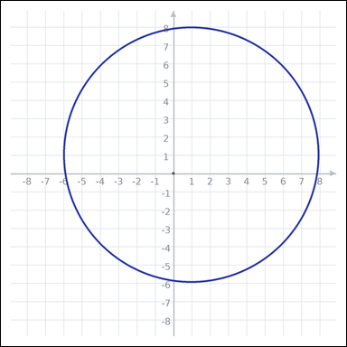 | 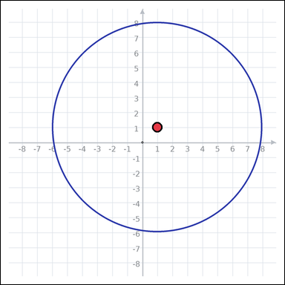 | task_geometry_measurement_perimeter | circle | You are given a graph-paper image showing a circle. Task: What is the circumference of the circle in graph units? Express the answer in the form kπ. Return a valid JSON object with keys "evidence" and "answer" in that order. Evidence requirement: set "evidence" to one graph-paper point [x, y] for the circle center. Answer format: set "answer" to the measurement value in the form kπ (for example 12π). Example JSON: {"evidence":[[0,0]],"answer":"8π"} | You are given a graph-paper image showing a circle. Task: What is the circumference of the circle in graph units? Express the answer in the form kπ. Return a valid JSON object with key "answer". Answer: set "answer" to the measurement value in the form kπ (for example 12π). Example JSON: {"answer":"12π"} | {"evidence": [1, 1], "answer": "14π"} | [1, 1] | pi_expression | graph_point | 233093490659615 | geometry/task_geometry_measurement_perimeter/images/circle/0009.png | geometry/task_geometry_measurement_perimeter/data/circle/0009.json
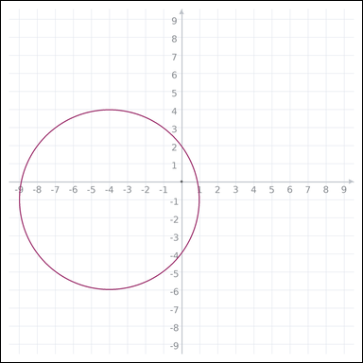 | 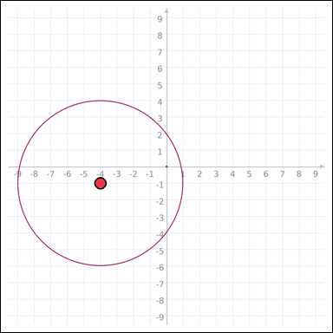 | task_geometry_measurement_perimeter | circle | You are given a graph-paper image showing a circle. Question: What is the circumference of the circle in graph units? Express the answer in the form kπ. Return a valid JSON object with keys "evidence" and "answer" in that order. Evidence requirement: set "evidence" to one graph-paper point [x, y] for the circle center. Answer format: set "answer" to the measurement value in the form kπ (for example 12π). Example JSON: {"evidence":[[0,0]],"answer":"8π"} | You are given a graph-paper image showing a circle. Question: What is the circumference of the circle in graph units? Express the answer in the form kπ. Return a valid JSON object with key "answer". Answer format: set "answer" to the measurement value in the form kπ (for example 12π). Example JSON: {"answer":"12π"} | {"evidence": [-4, -1], "answer": "10π"} | [-4, -1] | pi_expression | graph_point | 527161863552410 | geometry/task_geometry_measurement_perimeter/images/circle/0013.png | geometry/task_geometry_measurement_perimeter/data/circle/0013.json
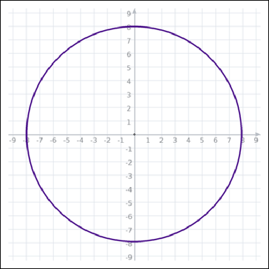 | 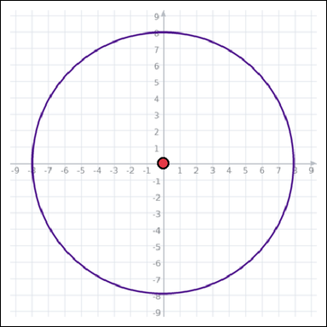 | task_geometry_measurement_perimeter | circle | You are given a graph-paper image showing a circle. Answer this question: What is the circumference of the circle in graph units? Express the answer in the form kπ. Return a valid JSON object with keys "evidence" and "answer" in that order. Evidence requirement: set "evidence" to one graph-paper point [x, y] for the circle center. Answer format: set "answer" to the measurement value in the form kπ (for example 12π). Example JSON: {"evidence":[[0,0]],"answer":"8π"} | You are given a graph-paper image showing a circle. Answer this question: What is the circumference of the circle in graph units? Express the answer in the form kπ. Return a valid JSON object with key "answer". Answer format: set "answer" to the measurement value in the form kπ (for example 12π). Example JSON: {"answer":"12π"} | {"evidence": [0, 0], "answer": "16π"} | [0, 0] | pi_expression | graph_point | 1.7621083336E+15 | geometry/task_geometry_measurement_perimeter/images/circle/0015.png | geometry/task_geometry_measurement_perimeter/data/circle/0015.json
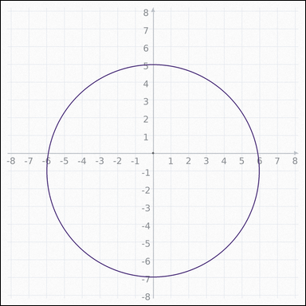 | 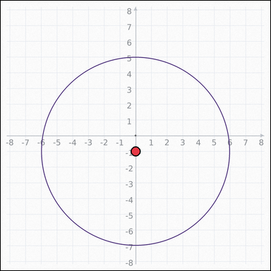 | task_geometry_measurement_perimeter | circle | You are given a graph-paper image showing a circle. Answer this question: What is the circumference of the circle in graph units? Express the answer in the form kπ. Return a valid JSON object with keys "evidence" and "answer" in that order. Evidence requirement: set "evidence" to one graph-paper point [x, y] for the circle center. Answer format: set "answer" to the measurement value in the form kπ (for example 12π). Example JSON: {"evidence":[[0,0]],"answer":"8π"} | You are given a graph-paper image showing a circle. Answer this question: What is the circumference of the circle in graph units? Express the answer in the form kπ. Return a valid JSON object with key "answer". Answer rule: set "answer" to the measurement value in the form kπ (for example 12π). Example JSON: {"answer":"12π"} | {"evidence": [0, -1], "answer": "12π"} | [0, -1] | pi_expression | graph_point | 1.927612738E+15 | geometry/task_geometry_measurement_perimeter/images/circle/0022.png | geometry/task_geometry_measurement_perimeter/data/circle/0022.json
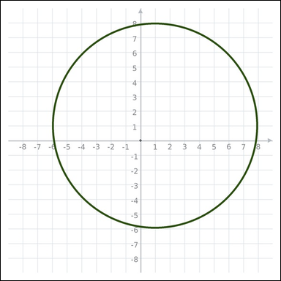 | 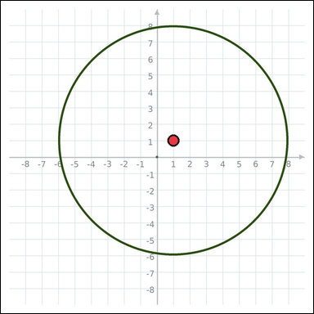 | task_geometry_measurement_perimeter | circle | You are given a graph-paper image showing a circle. Answer this question: What is the circumference of the circle in graph units? Express the answer in the form kπ. Return a valid JSON object with keys "evidence" and "answer" in that order. Evidence field: set "evidence" to one graph-paper point [x, y] for the circle center. Answer field: set "answer" to the measurement value in the form kπ (for example 12π). Example JSON: {"evidence":[[0,0]],"answer":"8π"} | You are given a graph-paper image showing a circle. Answer this question: What is the circumference of the circle in graph units? Express the answer in the form kπ. Return a valid JSON object with key "answer". Answer: set "answer" to the measurement value in the form kπ (for example 12π). Example JSON: {"answer":"12π"} | {"evidence": [1, 1], "answer": "14π"} | [1, 1] | pi_expression | graph_point | 1.9756617899E+15 | geometry/task_geometry_measurement_perimeter/images/circle/0005.png | geometry/task_geometry_measurement_perimeter/data/circle/0005.json
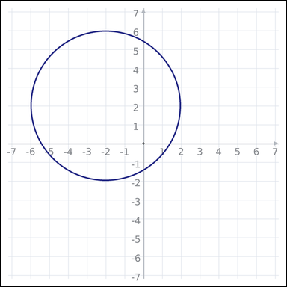 | 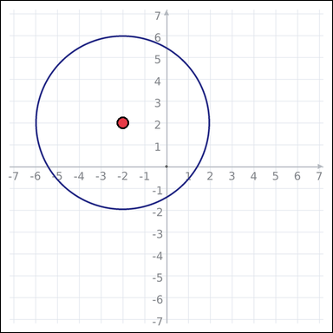 | task_geometry_measurement_perimeter | circle | You are given a graph-paper image showing a circle. What is the circumference of the circle in graph units? Express the answer in the form kπ. Return a valid JSON object with keys "evidence" and "answer" in that order. Evidence field: set "evidence" to one graph-paper point [x, y] for the circle center. Answer field: set "answer" to the measurement value in the form kπ (for example 12π). Example JSON: {"evidence":[[0,0]],"answer":"8π"} | You are given a graph-paper image showing a circle. What is the circumference of the circle in graph units? Express the answer in the form kπ. Return a valid JSON object with key "answer". Answer: set "answer" to the measurement value in the form kπ (for example 12π). Example JSON: {"answer":"12π"} | {"evidence": [-2, 2], "answer": "8π"} | [-2, 2] | pi_expression | graph_point | 2.0590217778E+15 | geometry/task_geometry_measurement_perimeter/images/circle/0020.png | geometry/task_geometry_measurement_perimeter/data/circle/0020.json
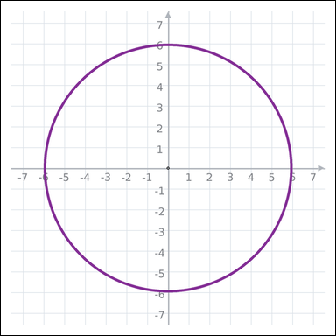 | 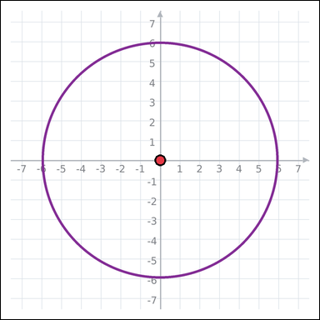 | task_geometry_measurement_perimeter | circle | Look at the graph-paper image showing a circle. Task: What is the circumference of the circle in graph units? Express the answer in the form kπ. Return a valid JSON object with keys "evidence" and "answer" in that order. Evidence: set "evidence" to one graph-paper point [x, y] for the circle center. Answer: set "answer" to the measurement value in the form kπ (for example 12π). Example JSON: {"evidence":[[0,0]],"answer":"8π"} | Look at the graph-paper image showing a circle. Task: What is the circumference of the circle in graph units? Express the answer in the form kπ. Return a valid JSON object with key "answer". Answer rule: set "answer" to the measurement value in the form kπ (for example 12π). Example JSON: {"answer":"12π"} | {"evidence": [0, 0], "answer": "12π"} | [0, 0] | pi_expression | graph_point | 2.496081832E+15 | geometry/task_geometry_measurement_perimeter/images/circle/0023.png | geometry/task_geometry_measurement_perimeter/data/circle/0023.json
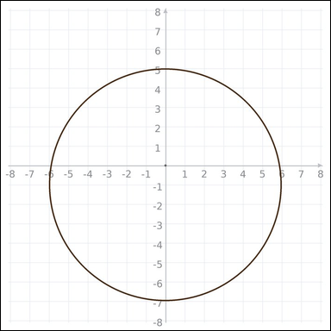 | 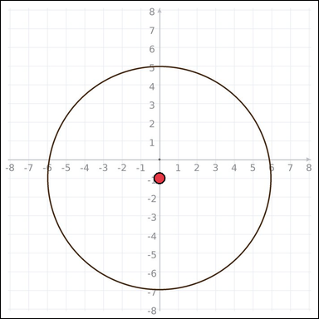 | task_geometry_measurement_perimeter | circle | You are given a graph-paper image showing a circle. Determine the answer: What is the circumference of the circle in graph units? Express the answer in the form kπ. Return a valid JSON object with keys "evidence" and "answer" in that order. Evidence format: set "evidence" to one graph-paper point [x, y] for the circle center. Answer requirement: set "answer" to the measurement value in the form kπ (for example 12π). Example JSON: {"evidence":[[0,0]],"answer":"8π"} | You are given a graph-paper image showing a circle. Determine the answer: What is the circumference of the circle in graph units? Express the answer in the form kπ. Return a valid JSON object with key "answer". Answer field: set "answer" to the measurement value in the form kπ (for example 12π). Example JSON: {"answer":"12π"} | {"evidence": [0, -1], "answer": "12π"} | [0, -1] | pi_expression | graph_point | 2.66567798E+15 | geometry/task_geometry_measurement_perimeter/images/circle/0017.png | geometry/task_geometry_measurement_perimeter/data/circle/0017.json
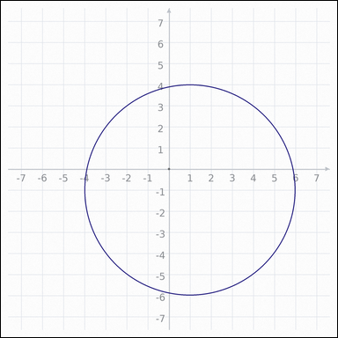 | 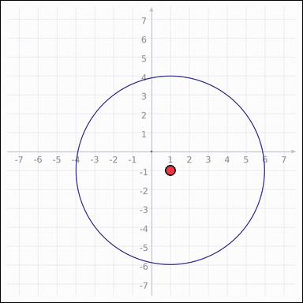 | task_geometry_measurement_perimeter | circle | The graph-paper image shows a circle. Question: What is the circumference of the circle in graph units? Express the answer in the form kπ. Return a valid JSON object with keys "evidence" and "answer" in that order. Evidence requirement: set "evidence" to one graph-paper point [x, y] for the circle center. Answer format: set "answer" to the measurement value in the form kπ (for example 12π). Example JSON: {"evidence":[[0,0]],"answer":"8π"} | The graph-paper image shows a circle. Question: What is the circumference of the circle in graph units? Express the answer in the form kπ. Return a valid JSON object with key "answer". Answer requirement: set "answer" to the measurement value in the form kπ (for example 12π). Example JSON: {"answer":"12π"} | {"evidence": [1, -1], "answer": "10π"} | [1, -1] | pi_expression | graph_point | 2.6852306474E+15 | geometry/task_geometry_measurement_perimeter/images/circle/0001.png | geometry/task_geometry_measurement_perimeter/data/circle/0001.json
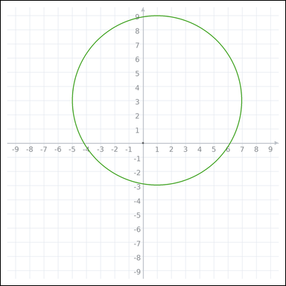 | 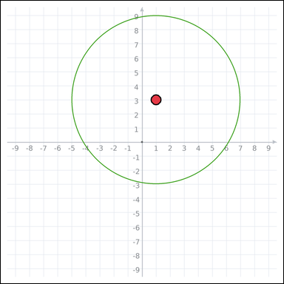 | task_geometry_measurement_perimeter | circle | Use the graph-paper diagram showing a circle. Determine the answer: What is the circumference of the circle in graph units? Express the answer in the form kπ. Return a valid JSON object with keys "evidence" and "answer" in that order. Evidence requirement: set "evidence" to one graph-paper point [x, y] for the circle center. Answer format: set "answer" to the measurement value in the form kπ (for example 12π). Example JSON: {"evidence":[[0,0]],"answer":"8π"} | Use the graph-paper diagram showing a circle. Determine the answer: What is the circumference of the circle in graph units? Express the answer in the form kπ. Return a valid JSON object with key "answer". Answer format: set "answer" to the measurement value in the form kπ (for example 12π). Example JSON: {"answer":"12π"} | {"evidence": [1, 3], "answer": "12π"} | [1, 3] | pi_expression | graph_point | 2.9340506776E+15 | geometry/task_geometry_measurement_perimeter/images/circle/0019.png | geometry/task_geometry_measurement_perimeter/data/circle/0019.json
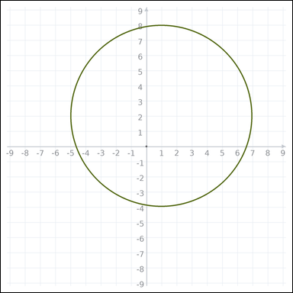 | 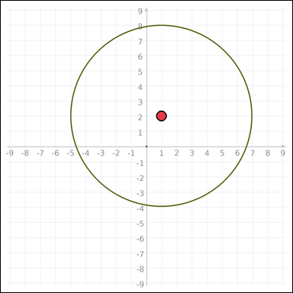 | task_geometry_measurement_perimeter | circle | Use the graph-paper diagram showing a circle. Determine the answer: What is the circumference of the circle in graph units? Express the answer in the form kπ. Return a valid JSON object with keys "evidence" and "answer" in that order. Evidence field: set "evidence" to one graph-paper point [x, y] for the circle center. Answer field: set "answer" to the measurement value in the form kπ (for example 12π). Example JSON: {"evidence":[[0,0]],"answer":"8π"} | Use the graph-paper diagram showing a circle. Determine the answer: What is the circumference of the circle in graph units? Express the answer in the form kπ. Return a valid JSON object with key "answer". Answer field: set "answer" to the measurement value in the form kπ (for example 12π). Example JSON: {"answer":"12π"} | {"evidence": [1, 2], "answer": "12π"} | [1, 2] | pi_expression | graph_point | 2.9550799121E+15 | geometry/task_geometry_measurement_perimeter/images/circle/0003.png | geometry/task_geometry_measurement_perimeter/data/circle/0003.json
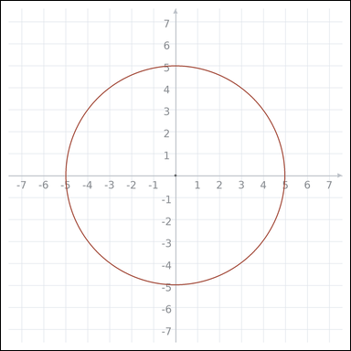 | 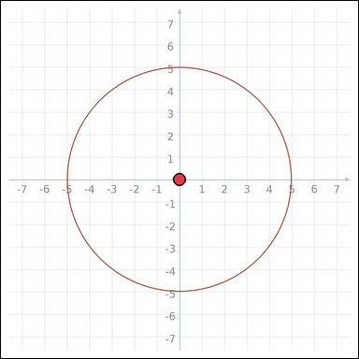 | task_geometry_measurement_perimeter | circle | The graph-paper image shows a circle. What is the circumference of the circle in graph units? Express the answer in the form kπ. Return a valid JSON object with keys "evidence" and "answer" in that order. Evidence format: set "evidence" to one graph-paper point [x, y] for the circle center. Answer requirement: set "answer" to the measurement value in the form kπ (for example 12π). Example JSON: {"evidence":[[0,0]],"answer":"8π"} | The graph-paper image shows a circle. What is the circumference of the circle in graph units? Express the answer in the form kπ. Return a valid JSON object with key "answer". Answer format: set "answer" to the measurement value in the form kπ (for example 12π). Example JSON: {"answer":"12π"} | {"evidence": [0, 0], "answer": "10π"} | [0, 0] | pi_expression | graph_point | 3.2380586229E+15 | geometry/task_geometry_measurement_perimeter/images/circle/0024.png | geometry/task_geometry_measurement_perimeter/data/circle/0024.json
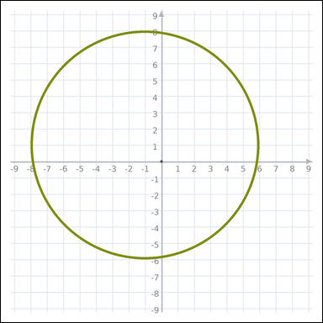 | 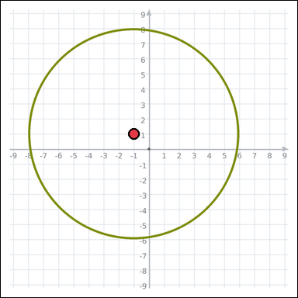 | task_geometry_measurement_perimeter | circle | The graph-paper image shows a circle. Determine the answer: What is the circumference of the circle in graph units? Express the answer in the form kπ. Return a valid JSON object with keys "evidence" and "answer" in that order. Evidence: set "evidence" to one graph-paper point [x, y] for the circle center. Answer: set "answer" to the measurement value in the form kπ (for example 12π). Example JSON: {"evidence":[[0,0]],"answer":"8π"} | The graph-paper image shows a circle. Determine the answer: What is the circumference of the circle in graph units? Express the answer in the form kπ. Return a valid JSON object with key "answer". Answer rule: set "answer" to the measurement value in the form kπ (for example 12π). Example JSON: {"answer":"12π"} | {"evidence": [-1, 1], "answer": "14π"} | [-1, 1] | pi_expression | graph_point | 3.591368594E+15 | geometry/task_geometry_measurement_perimeter/images/circle/0004.png | geometry/task_geometry_measurement_perimeter/data/circle/0004.json
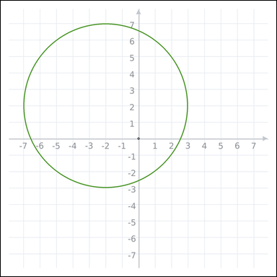 | 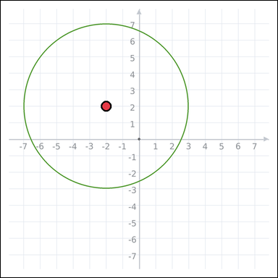 | task_geometry_measurement_perimeter | circle | Work from the graph-paper image showing a circle. Answer this question: What is the circumference of the circle in graph units? Express the answer in the form kπ. Return a valid JSON object with keys "evidence" and "answer" in that order. Evidence: set "evidence" to one graph-paper point [x, y] for the circle center. Answer: set "answer" to the measurement value in the form kπ (for example 12π). Example JSON: {"evidence":[[0,0]],"answer":"8π"} | Work from the graph-paper image showing a circle. Answer this question: What is the circumference of the circle in graph units? Express the answer in the form kπ. Return a valid JSON object with key "answer". Answer format: set "answer" to the measurement value in the form kπ (for example 12π). Example JSON: {"answer":"12π"} | {"evidence": [-2, 2], "answer": "10π"} | [-2, 2] | pi_expression | graph_point | 3.6847167399E+15 | geometry/task_geometry_measurement_perimeter/images/circle/0007.png | geometry/task_geometry_measurement_perimeter/data/circle/0007.json
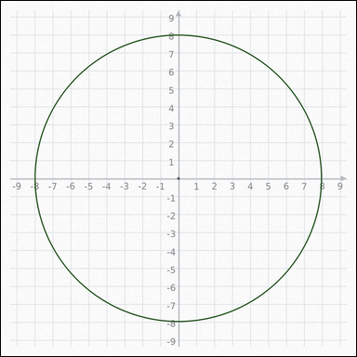 | 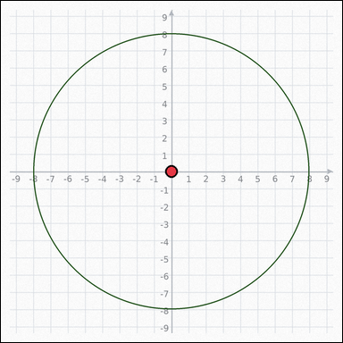 | task_geometry_measurement_perimeter | circle | The graph-paper image shows a circle. Determine the answer: What is the circumference of the circle in graph units? Express the answer in the form kπ. Return a valid JSON object with keys "evidence" and "answer" in that order. Evidence rule: set "evidence" to one graph-paper point [x, y] for the circle center. Answer rule: set "answer" to the measurement value in the form kπ (for example 12π). Example JSON: {"evidence":[[0,0]],"answer":"8π"} | The graph-paper image shows a circle. Determine the answer: What is the circumference of the circle in graph units? Express the answer in the form kπ. Return a valid JSON object with key "answer". Answer format: set "answer" to the measurement value in the form kπ (for example 12π). Example JSON: {"answer":"12π"} | {"evidence": [0, 0], "answer": "16π"} | [0, 0] | pi_expression | graph_point | 4.5308117046E+15 | geometry/task_geometry_measurement_perimeter/images/circle/0014.png | geometry/task_geometry_measurement_perimeter/data/circle/0014.json
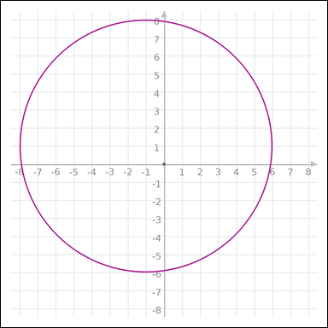 | 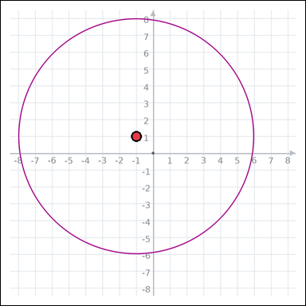 | task_geometry_measurement_perimeter | circle | You are given a graph-paper image showing a circle. Answer this question: What is the circumference of the circle in graph units? Express the answer in the form kπ. Return a valid JSON object with keys "evidence" and "answer" in that order. Evidence rule: set "evidence" to one graph-paper point [x, y] for the circle center. Answer rule: set "answer" to the measurement value in the form kπ (for example 12π). Example JSON: {"evidence":[[0,0]],"answer":"8π"} | You are given a graph-paper image showing a circle. Answer this question: What is the circumference of the circle in graph units? Express the answer in the form kπ. Return a valid JSON object with key "answer". Answer field: set "answer" to the measurement value in the form kπ (for example 12π). Example JSON: {"answer":"12π"} | {"evidence": [-1, 1], "answer": "14π"} | [-1, 1] | pi_expression | graph_point | 5.1915169981E+15 | geometry/task_geometry_measurement_perimeter/images/circle/0016.png | geometry/task_geometry_measurement_perimeter/data/circle/0016.json
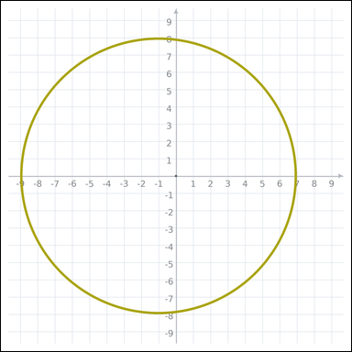 | 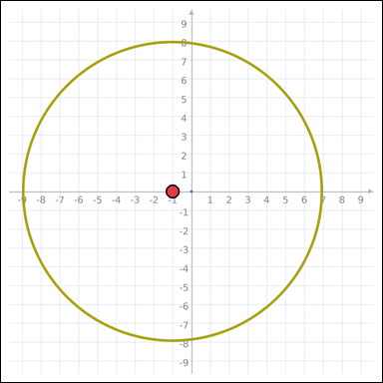 | task_geometry_measurement_perimeter | circle | You are given a graph-paper image showing a circle. Task: What is the circumference of the circle in graph units? Express the answer in the form kπ. Return a valid JSON object with keys "evidence" and "answer" in that order. Evidence rule: set "evidence" to one graph-paper point [x, y] for the circle center. Answer rule: set "answer" to the measurement value in the form kπ (for example 12π). Example JSON: {"evidence":[[0,0]],"answer":"8π"} | You are given a graph-paper image showing a circle. Task: What is the circumference of the circle in graph units? Express the answer in the form kπ. Return a valid JSON object with key "answer". Answer format: set "answer" to the measurement value in the form kπ (for example 12π). Example JSON: {"answer":"12π"} | {"evidence": [-1, 0], "answer": "16π"} | [-1, 0] | pi_expression | graph_point | 5.3141689885E+15 | geometry/task_geometry_measurement_perimeter/images/circle/0011.png | geometry/task_geometry_measurement_perimeter/data/circle/0011.json
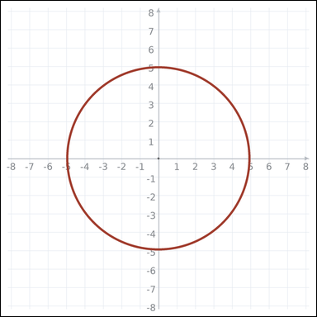 | 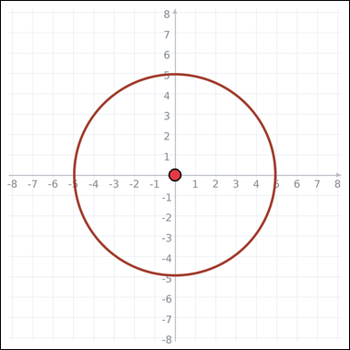 | task_geometry_measurement_perimeter | circle | Look at the graph-paper image showing a circle. What is the circumference of the circle in graph units? Express the answer in the form kπ. Return a valid JSON object with keys "evidence" and "answer" in that order. Evidence requirement: set "evidence" to one graph-paper point [x, y] for the circle center. Answer format: set "answer" to the measurement value in the form kπ (for example 12π). Example JSON: {"evidence":[[0,0]],"answer":"8π"} | Look at the graph-paper image showing a circle. What is the circumference of the circle in graph units? Express the answer in the form kπ. Return a valid JSON object with key "answer". Answer format: set "answer" to the measurement value in the form kπ (for example 12π). Example JSON: {"answer":"12π"} | {"evidence": [0, 0], "answer": "10π"} | [0, 0] | pi_expression | graph_point | 5.3145000109E+15 | geometry/task_geometry_measurement_perimeter/images/circle/0010.png | geometry/task_geometry_measurement_perimeter/data/circle/0010.json
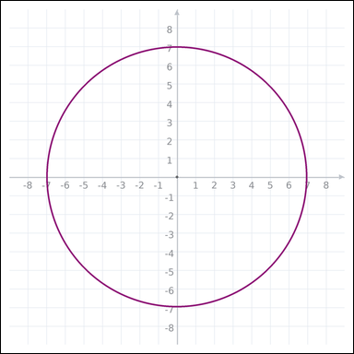 | 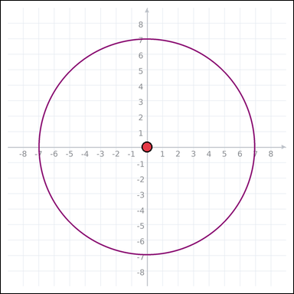 | task_geometry_measurement_perimeter | circle | Use the graph-paper diagram showing a circle. Answer this question: What is the circumference of the circle in graph units? Express the answer in the form kπ. Return a valid JSON object with keys "evidence" and "answer" in that order. Evidence format: set "evidence" to one graph-paper point [x, y] for the circle center. Answer requirement: set "answer" to the measurement value in the form kπ (for example 12π). Example JSON: {"evidence":[[0,0]],"answer":"8π"} | Use the graph-paper diagram showing a circle. Answer this question: What is the circumference of the circle in graph units? Express the answer in the form kπ. Return a valid JSON object with key "answer". Answer: set "answer" to the measurement value in the form kπ (for example 12π). Example JSON: {"answer":"12π"} | {"evidence": [0, 0], "answer": "14π"} | [0, 0] | pi_expression | graph_point | 5.3921010572E+15 | geometry/task_geometry_measurement_perimeter/images/circle/0018.png | geometry/task_geometry_measurement_perimeter/data/circle/0018.json
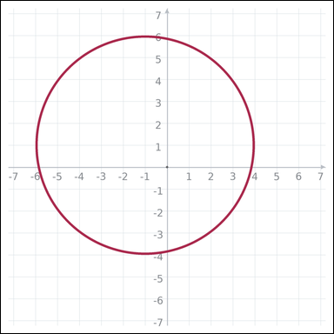 | 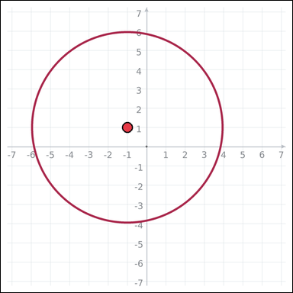 | task_geometry_measurement_perimeter | circle | Use the graph-paper diagram showing a circle. Question: What is the circumference of the circle in graph units? Express the answer in the form kπ. Return a valid JSON object with keys "evidence" and "answer" in that order. Evidence: set "evidence" to one graph-paper point [x, y] for the circle center. Answer: set "answer" to the measurement value in the form kπ (for example 12π). Example JSON: {"evidence":[[0,0]],"answer":"8π"} | Use the graph-paper diagram showing a circle. Question: What is the circumference of the circle in graph units? Express the answer in the form kπ. Return a valid JSON object with key "answer". Answer format: set "answer" to the measurement value in the form kπ (for example 12π). Example JSON: {"answer":"12π"} | {"evidence": [-1, 1], "answer": "10π"} | [-1, 1] | pi_expression | graph_point | 5.5159938258E+15 | geometry/task_geometry_measurement_perimeter/images/circle/0008.png | geometry/task_geometry_measurement_perimeter/data/circle/0008.json
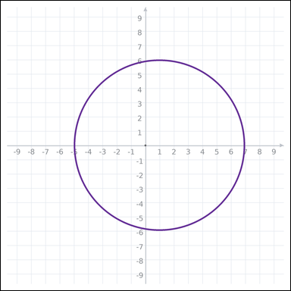 | 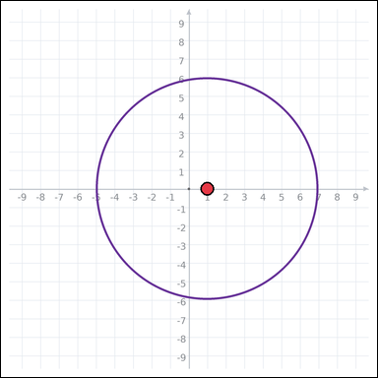 | task_geometry_measurement_perimeter | circle | Use the graph-paper diagram showing a circle. Task: What is the circumference of the circle in graph units? Express the answer in the form kπ. Return a valid JSON object with keys "evidence" and "answer" in that order. Evidence requirement: set "evidence" to one graph-paper point [x, y] for the circle center. Answer format: set "answer" to the measurement value in the form kπ (for example 12π). Example JSON: {"evidence":[[0,0]],"answer":"8π"} | Use the graph-paper diagram showing a circle. Task: What is the circumference of the circle in graph units? Express the answer in the form kπ. Return a valid JSON object with key "answer". Answer rule: set "answer" to the measurement value in the form kπ (for example 12π). Example JSON: {"answer":"12π"} | {"evidence": [1, 0], "answer": "12π"} | [1, 0] | pi_expression | graph_point | 5.6987659727E+15 | geometry/task_geometry_measurement_perimeter/images/circle/0006.png | geometry/task_geometry_measurement_perimeter/data/circle/0006.json
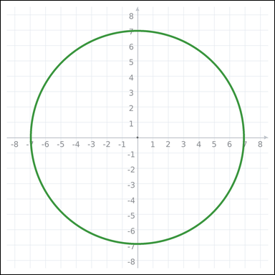 | 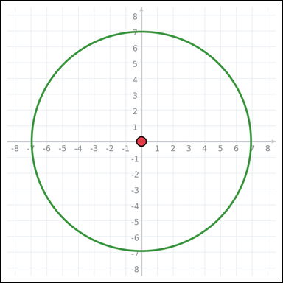 | task_geometry_measurement_perimeter | circle | Work from the graph-paper image showing a circle. Task: What is the circumference of the circle in graph units? Express the answer in the form kπ. Return a valid JSON object with keys "evidence" and "answer" in that order. Evidence requirement: set "evidence" to one graph-paper point [x, y] for the circle center. Answer format: set "answer" to the measurement value in the form kπ (for example 12π). Example JSON: {"evidence":[[0,0]],"answer":"8π"} | Work from the graph-paper image showing a circle. Task: What is the circumference of the circle in graph units? Express the answer in the form kπ. Return a valid JSON object with key "answer". Answer rule: set "answer" to the measurement value in the form kπ (for example 12π). Example JSON: {"answer":"12π"} | {"evidence": [0, 0], "answer": "14π"} | [0, 0] | pi_expression | graph_point | 5.8087464157E+15 | geometry/task_geometry_measurement_perimeter/images/circle/0012.png | geometry/task_geometry_measurement_perimeter/data/circle/0012.json
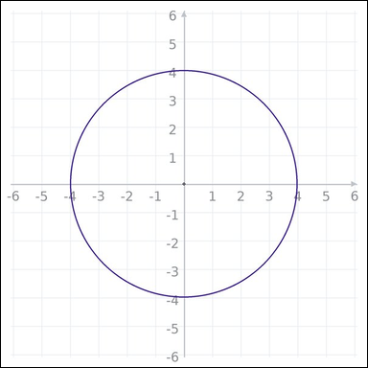 | 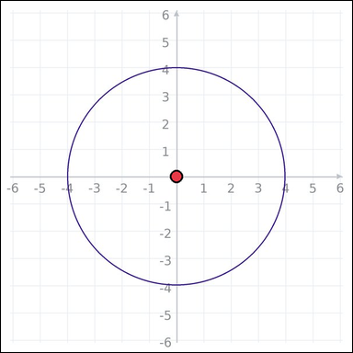 | task_geometry_measurement_perimeter | circle | Use the graph-paper diagram showing a circle. Answer this question: What is the circumference of the circle in graph units? Express the answer in the form kπ. Return a valid JSON object with keys "evidence" and "answer" in that order. Evidence: set "evidence" to one graph-paper point [x, y] for the circle center. Answer: set "answer" to the measurement value in the form kπ (for example 12π). Example JSON: {"evidence":[[0,0]],"answer":"8π"} | Use the graph-paper diagram showing a circle. Answer this question: What is the circumference of the circle in graph units? Express the answer in the form kπ. Return a valid JSON object with key "answer". Answer requirement: set "answer" to the measurement value in the form kπ (for example 12π). Example JSON: {"answer":"12π"} | {"evidence": [0, 0], "answer": "8π"} | [0, 0] | pi_expression | graph_point | 6.3918424212E+15 | geometry/task_geometry_measurement_perimeter/images/circle/0002.png | geometry/task_geometry_measurement_perimeter/data/circle/0002.json
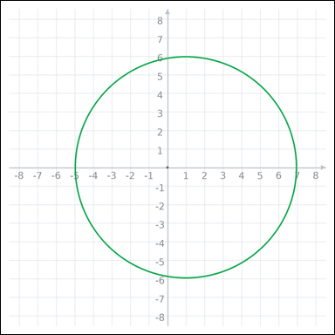 | 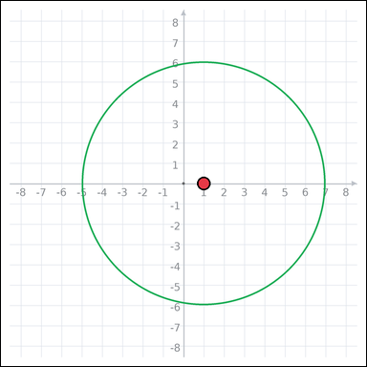 | task_geometry_measurement_perimeter | circle | Look at the graph-paper image showing a circle. Answer this question: What is the circumference of the circle in graph units? Express the answer in the form kπ. Return a valid JSON object with keys "evidence" and "answer" in that order. Evidence field: set "evidence" to one graph-paper point [x, y] for the circle center. Answer field: set "answer" to the measurement value in the form kπ (for example 12π). Example JSON: {"evidence":[[0,0]],"answer":"8π"} | Look at the graph-paper image showing a circle. Answer this question: What is the circumference of the circle in graph units? Express the answer in the form kπ. Return a valid JSON object with key "answer". Answer field: set "answer" to the measurement value in the form kπ (for example 12π). Example JSON: {"answer":"12π"} | {"evidence": [1, 0], "answer": "12π"} | [1, 0] | pi_expression | graph_point | 6.7337026725E+15 | geometry/task_geometry_measurement_perimeter/images/circle/0021.png | geometry/task_geometry_measurement_perimeter/data/circle/0021.json
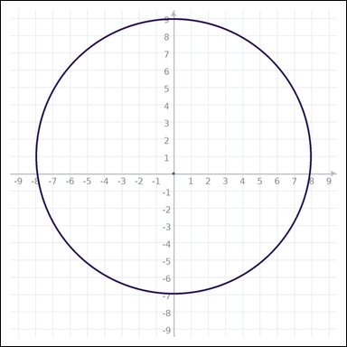 | 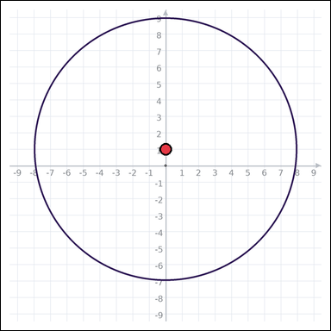 | task_geometry_measurement_perimeter | circle | Work from the graph-paper image showing a circle. What is the circumference of the circle in graph units? Express the answer in the form kπ. Return a valid JSON object with keys "evidence" and "answer" in that order. Evidence rule: set "evidence" to one graph-paper point [x, y] for the circle center. Answer rule: set "answer" to the measurement value in the form kπ (for example 12π). Example JSON: {"evidence":[[0,0]],"answer":"8π"} | Work from the graph-paper image showing a circle. What is the circumference of the circle in graph units? Express the answer in the form kπ. Return a valid JSON object with key "answer". Answer requirement: set "answer" to the measurement value in the form kπ (for example 12π). Example JSON: {"answer":"12π"} | {"evidence": [0, 1], "answer": "16π"} | [0, 1] | pi_expression | graph_point | 7.7909546481E+15 | geometry/task_geometry_measurement_perimeter/images/circle/0000.png | geometry/task_geometry_measurement_perimeter/data/circle/0000.json

quadrilateral
image | evidence_image | task | task_variant | prompt | prompt_answer_only | answer | answer_evidence | answer_type | evidence_type | instance_seed | image_path | data_path
 |  | task_geometry_measurement_perimeter | quadrilateral | Look at the graph-paper image showing a polygon. Task: What is the perimeter of the polygon in graph units? Return a valid JSON object with keys "evidence" and "answer" in that order. Evidence: set "evidence" to an array of graph-paper points for all polygon vertices. Answer: set "answer" to the measurement value as an integer. Example JSON: {"evidence":[[0,0],[4,0],[4,2],[0,2]],"answer":12} | Look at the graph-paper image showing a polygon. Task: What is the perimeter of the polygon in graph units? Return a valid JSON object with key "answer". Answer: set "answer" to the measurement value as an integer. Example JSON: {"answer":8} | {"evidence": [[1, 2], [-6, 2], [-6, -4], [1, -4]], "answer": 26} | [[1, 2], [-6, 2], [-6, -4], [1, -4]] | integer | graph_point_set | 1.0323697067E+15 | geometry/task_geometry_measurement_perimeter/images/quadrilateral/0022.png | geometry/task_geometry_measurement_perimeter/data/quadrilateral/0022.json
 |  | task_geometry_measurement_perimeter | quadrilateral | You are given a graph-paper image showing a polygon. Answer this question: What is the perimeter of the polygon in graph units? Return a valid JSON object with keys "evidence" and "answer" in that order. Evidence requirement: set "evidence" to an array of graph-paper points for all polygon vertices. Answer format: set "answer" to the measurement value as an integer. Example JSON: {"evidence":[[0,0],[4,0],[4,2],[0,2]],"answer":12} | You are given a graph-paper image showing a polygon. Answer this question: What is the perimeter of the polygon in graph units? Return a valid JSON object with key "answer". Answer field: set "answer" to the measurement value as an integer. Example JSON: {"answer":8} | {"evidence": [[-1, 0], [1, 0], [1, 2], [-1, 2]], "answer": 8} | [[-1, 0], [1, 0], [1, 2], [-1, 2]] | integer | graph_point_set | 1.2016882857E+15 | geometry/task_geometry_measurement_perimeter/images/quadrilateral/0009.png | geometry/task_geometry_measurement_perimeter/data/quadrilateral/0009.json
 |  | task_geometry_measurement_perimeter | quadrilateral | Use the graph-paper diagram showing a polygon. Question: What is the perimeter of the polygon in graph units? Return a valid JSON object with keys "evidence" and "answer" in that order. Evidence field: set "evidence" to an array of graph-paper points for all polygon vertices. Answer field: set "answer" to the measurement value as an integer. Example JSON: {"evidence":[[0,0],[4,0],[4,2],[0,2]],"answer":12} | Use the graph-paper diagram showing a polygon. Question: What is the perimeter of the polygon in graph units? Return a valid JSON object with key "answer". Answer field: set "answer" to the measurement value as an integer. Example JSON: {"answer":8} | {"evidence": [[-3, 2], [-3, 4], [-1, 4], [-1, 2]], "answer": 8} | [[-3, 2], [-3, 4], [-1, 4], [-1, 2]] | integer | graph_point_set | 1.2452362409E+15 | geometry/task_geometry_measurement_perimeter/images/quadrilateral/0000.png | geometry/task_geometry_measurement_perimeter/data/quadrilateral/0000.json
 |  | task_geometry_measurement_perimeter | quadrilateral | You are given a graph-paper image showing a polygon. Answer this question: What is the perimeter of the polygon in graph units? Return a valid JSON object with keys "evidence" and "answer" in that order. Evidence requirement: set "evidence" to an array of graph-paper points for all polygon vertices. Answer format: set "answer" to the measurement value as an integer. Example JSON: {"evidence":[[0,0],[4,0],[4,2],[0,2]],"answer":12} | You are given a graph-paper image showing a polygon. Answer this question: What is the perimeter of the polygon in graph units? Return a valid JSON object with key "answer". Answer requirement: set "answer" to the measurement value as an integer. Example JSON: {"answer":8} | {"evidence": [[-2, -6], [4, -6], [4, 0], [-2, 0]], "answer": 24} | [[-2, -6], [4, -6], [4, 0], [-2, 0]] | integer | graph_point_set | 1.4433640794E+15 | geometry/task_geometry_measurement_perimeter/images/quadrilateral/0024.png | geometry/task_geometry_measurement_perimeter/data/quadrilateral/0024.json
 |  | task_geometry_measurement_perimeter | quadrilateral | The graph-paper image shows a polygon. Determine the answer: What is the perimeter of the polygon in graph units? Return a valid JSON object with keys "evidence" and "answer" in that order. Evidence field: set "evidence" to an array of graph-paper points for all polygon vertices. Answer field: set "answer" to the measurement value as an integer. Example JSON: {"evidence":[[0,0],[4,0],[4,2],[0,2]],"answer":12} | The graph-paper image shows a polygon. Determine the answer: What is the perimeter of the polygon in graph units? Return a valid JSON object with key "answer". Answer: set "answer" to the measurement value as an integer. Example JSON: {"answer":8} | {"evidence": [[4, -5], [-2, 3], [-2, -2], [2, -5]], "answer": 22} | [[4, -5], [-2, 3], [-2, -2], [2, -5]] | integer | graph_point_set | 1.8007761004E+15 | geometry/task_geometry_measurement_perimeter/images/quadrilateral/0017.png | geometry/task_geometry_measurement_perimeter/data/quadrilateral/0017.json
 |  | task_geometry_measurement_perimeter | quadrilateral | Work from the graph-paper image showing a polygon. What is the perimeter of the polygon in graph units? Return a valid JSON object with keys "evidence" and "answer" in that order. Evidence requirement: set "evidence" to an array of graph-paper points for all polygon vertices. Answer format: set "answer" to the measurement value as an integer. Example JSON: {"evidence":[[0,0],[4,0],[4,2],[0,2]],"answer":12} | Work from the graph-paper image showing a polygon. What is the perimeter of the polygon in graph units? Return a valid JSON object with key "answer". Answer format: set "answer" to the measurement value as an integer. Example JSON: {"answer":8} | {"evidence": [[3, -4], [1, -4], [1, 1], [3, 1]], "answer": 14} | [[3, -4], [1, -4], [1, 1], [3, 1]] | integer | graph_point_set | 1.9521859387E+15 | geometry/task_geometry_measurement_perimeter/images/quadrilateral/0023.png | geometry/task_geometry_measurement_perimeter/data/quadrilateral/0023.json
 |  | task_geometry_measurement_perimeter | quadrilateral | Look at the graph-paper image showing a polygon. Determine the answer: What is the perimeter of the polygon in graph units? Return a valid JSON object with keys "evidence" and "answer" in that order. Evidence format: set "evidence" to an array of graph-paper points for all polygon vertices. Answer requirement: set "answer" to the measurement value as an integer. Example JSON: {"evidence":[[0,0],[4,0],[4,2],[0,2]],"answer":12} | Look at the graph-paper image showing a polygon. Determine the answer: What is the perimeter of the polygon in graph units? Return a valid JSON object with key "answer". Answer field: set "answer" to the measurement value as an integer. Example JSON: {"answer":8} | {"evidence": [[-3, -2], [-3, 2], [1, 2], [1, -2]], "answer": 16} | [[-3, -2], [-3, 2], [1, 2], [1, -2]] | integer | graph_point_set | 2.032880354E+15 | geometry/task_geometry_measurement_perimeter/images/quadrilateral/0002.png | geometry/task_geometry_measurement_perimeter/data/quadrilateral/0002.json
 |  | task_geometry_measurement_perimeter | quadrilateral | Look at the graph-paper image showing a polygon. Determine the answer: What is the perimeter of the polygon in graph units? Return a valid JSON object with keys "evidence" and "answer" in that order. Evidence field: set "evidence" to an array of graph-paper points for all polygon vertices. Answer field: set "answer" to the measurement value as an integer. Example JSON: {"evidence":[[0,0],[4,0],[4,2],[0,2]],"answer":12} | Look at the graph-paper image showing a polygon. Determine the answer: What is the perimeter of the polygon in graph units? Return a valid JSON object with key "answer". Answer rule: set "answer" to the measurement value as an integer. Example JSON: {"answer":8} | {"evidence": [[1, -2], [-1, -2], [-1, 1], [1, 1]], "answer": 10} | [[1, -2], [-1, -2], [-1, 1], [1, 1]] | integer | graph_point_set | 2.0988432378E+15 | geometry/task_geometry_measurement_perimeter/images/quadrilateral/0010.png | geometry/task_geometry_measurement_perimeter/data/quadrilateral/0010.json
 |  | task_geometry_measurement_perimeter | quadrilateral | Look at the graph-paper image showing a polygon. Answer this question: What is the perimeter of the polygon in graph units? Return a valid JSON object with keys "evidence" and "answer" in that order. Evidence: set "evidence" to an array of graph-paper points for all polygon vertices. Answer: set "answer" to the measurement value as an integer. Example JSON: {"evidence":[[0,0],[4,0],[4,2],[0,2]],"answer":12} | Look at the graph-paper image showing a polygon. Answer this question: What is the perimeter of the polygon in graph units? Return a valid JSON object with key "answer". Answer rule: set "answer" to the measurement value as an integer. Example JSON: {"answer":8} | {"evidence": [[-5, 3], [2, 3], [2, -1], [-2, -1]], "answer": 20} | [[-5, 3], [2, 3], [2, -1], [-2, -1]] | integer | graph_point_set | 2.5591455272E+15 | geometry/task_geometry_measurement_perimeter/images/quadrilateral/0007.png | geometry/task_geometry_measurement_perimeter/data/quadrilateral/0007.json
 |  | task_geometry_measurement_perimeter | quadrilateral | Use the graph-paper diagram showing a polygon. What is the perimeter of the polygon in graph units? Return a valid JSON object with keys "evidence" and "answer" in that order. Evidence requirement: set "evidence" to an array of graph-paper points for all polygon vertices. Answer format: set "answer" to the measurement value as an integer. Example JSON: {"evidence":[[0,0],[4,0],[4,2],[0,2]],"answer":12} | Use the graph-paper diagram showing a polygon. What is the perimeter of the polygon in graph units? Return a valid JSON object with key "answer". Answer requirement: set "answer" to the measurement value as an integer. Example JSON: {"answer":8} | {"evidence": [[1, 1], [5, 1], [5, 7], [1, 7]], "answer": 20} | [[1, 1], [5, 1], [5, 7], [1, 7]] | integer | graph_point_set | 2.7489057518E+15 | geometry/task_geometry_measurement_perimeter/images/quadrilateral/0014.png | geometry/task_geometry_measurement_perimeter/data/quadrilateral/0014.json
 |  | task_geometry_measurement_perimeter | quadrilateral | You are given a graph-paper image showing a polygon. Determine the answer: What is the perimeter of the polygon in graph units? Return a valid JSON object with keys "evidence" and "answer" in that order. Evidence field: set "evidence" to an array of graph-paper points for all polygon vertices. Answer field: set "answer" to the measurement value as an integer. Example JSON: {"evidence":[[0,0],[4,0],[4,2],[0,2]],"answer":12} | You are given a graph-paper image showing a polygon. Determine the answer: What is the perimeter of the polygon in graph units? Return a valid JSON object with key "answer". Answer format: set "answer" to the measurement value as an integer. Example JSON: {"answer":8} | {"evidence": [[-2, 1], [-8, 1], [-8, 5], [-2, 5]], "answer": 20} | [[-2, 1], [-8, 1], [-8, 5], [-2, 5]] | integer | graph_point_set | 2.9586269507E+15 | geometry/task_geometry_measurement_perimeter/images/quadrilateral/0016.png | geometry/task_geometry_measurement_perimeter/data/quadrilateral/0016.json
 |  | task_geometry_measurement_perimeter | quadrilateral | The graph-paper image shows a polygon. Task: What is the perimeter of the polygon in graph units? Return a valid JSON object with keys "evidence" and "answer" in that order. Evidence format: set "evidence" to an array of graph-paper points for all polygon vertices. Answer requirement: set "answer" to the measurement value as an integer. Example JSON: {"evidence":[[0,0],[4,0],[4,2],[0,2]],"answer":12} | The graph-paper image shows a polygon. Task: What is the perimeter of the polygon in graph units? Return a valid JSON object with key "answer". Answer requirement: set "answer" to the measurement value as an integer. Example JSON: {"answer":8} | {"evidence": [[2, -4], [2, 2], [-1, 2], [-1, 0]], "answer": 16} | [[2, -4], [2, 2], [-1, 2], [-1, 0]] | integer | graph_point_set | 3.5674376837E+15 | geometry/task_geometry_measurement_perimeter/images/quadrilateral/0011.png | geometry/task_geometry_measurement_perimeter/data/quadrilateral/0011.json
 |  | task_geometry_measurement_perimeter | quadrilateral | Work from the graph-paper image showing a polygon. What is the perimeter of the polygon in graph units? Return a valid JSON object with keys "evidence" and "answer" in that order. Evidence: set "evidence" to an array of graph-paper points for all polygon vertices. Answer: set "answer" to the measurement value as an integer. Example JSON: {"evidence":[[0,0],[4,0],[4,2],[0,2]],"answer":12} | Work from the graph-paper image showing a polygon. What is the perimeter of the polygon in graph units? Return a valid JSON object with key "answer". Answer requirement: set "answer" to the measurement value as an integer. Example JSON: {"answer":8} | {"evidence": [[-3, -6], [3, 2], [5, 2], [-1, -6]], "answer": 24} | [[-3, -6], [3, 2], [5, 2], [-1, -6]] | integer | graph_point_set | 4.4111269274E+15 | geometry/task_geometry_measurement_perimeter/images/quadrilateral/0008.png | geometry/task_geometry_measurement_perimeter/data/quadrilateral/0008.json
 |  | task_geometry_measurement_perimeter | quadrilateral | You are given a graph-paper image showing a polygon. Determine the answer: What is the perimeter of the polygon in graph units? Return a valid JSON object with keys "evidence" and "answer" in that order. Evidence: set "evidence" to an array of graph-paper points for all polygon vertices. Answer: set "answer" to the measurement value as an integer. Example JSON: {"evidence":[[0,0],[4,0],[4,2],[0,2]],"answer":12} | You are given a graph-paper image showing a polygon. Determine the answer: What is the perimeter of the polygon in graph units? Return a valid JSON object with key "answer". Answer format: set "answer" to the measurement value as an integer. Example JSON: {"answer":8} | {"evidence": [[5, -4], [-1, 4], [-4, 4], [2, -4]], "answer": 26} | [[5, -4], [-1, 4], [-4, 4], [2, -4]] | integer | graph_point_set | 4.6090197401E+15 | geometry/task_geometry_measurement_perimeter/images/quadrilateral/0018.png | geometry/task_geometry_measurement_perimeter/data/quadrilateral/0018.json
 |  | task_geometry_measurement_perimeter | quadrilateral | Look at the graph-paper image showing a polygon. Answer this question: What is the perimeter of the polygon in graph units? Return a valid JSON object with keys "evidence" and "answer" in that order. Evidence field: set "evidence" to an array of graph-paper points for all polygon vertices. Answer field: set "answer" to the measurement value as an integer. Example JSON: {"evidence":[[0,0],[4,0],[4,2],[0,2]],"answer":12} | Look at the graph-paper image showing a polygon. Answer this question: What is the perimeter of the polygon in graph units? Return a valid JSON object with key "answer". Answer requirement: set "answer" to the measurement value as an integer. Example JSON: {"answer":8} | {"evidence": [[-1, -1], [-1, 1], [1, 1], [1, -1]], "answer": 8} | [[-1, -1], [-1, 1], [1, 1], [1, -1]] | integer | graph_point_set | 4.801131397E+15 | geometry/task_geometry_measurement_perimeter/images/quadrilateral/0013.png | geometry/task_geometry_measurement_perimeter/data/quadrilateral/0013.json
 |  | task_geometry_measurement_perimeter | quadrilateral | Look at the graph-paper image showing a polygon. Question: What is the perimeter of the polygon in graph units? Return a valid JSON object with keys "evidence" and "answer" in that order. Evidence requirement: set "evidence" to an array of graph-paper points for all polygon vertices. Answer format: set "answer" to the measurement value as an integer. Example JSON: {"evidence":[[0,0],[4,0],[4,2],[0,2]],"answer":12} | Look at the graph-paper image showing a polygon. Question: What is the perimeter of the polygon in graph units? Return a valid JSON object with key "answer". Answer format: set "answer" to the measurement value as an integer. Example JSON: {"answer":8} | {"evidence": [[1, -1], [1, 1], [-2, 1], [-2, -1]], "answer": 10} | [[1, -1], [1, 1], [-2, 1], [-2, -1]] | integer | graph_point_set | 4.9811428975E+15 | geometry/task_geometry_measurement_perimeter/images/quadrilateral/0005.png | geometry/task_geometry_measurement_perimeter/data/quadrilateral/0005.json
 |  | task_geometry_measurement_perimeter | quadrilateral | You are given a graph-paper image showing a polygon. What is the perimeter of the polygon in graph units? Return a valid JSON object with keys "evidence" and "answer" in that order. Evidence: set "evidence" to an array of graph-paper points for all polygon vertices. Answer: set "answer" to the measurement value as an integer. Example JSON: {"evidence":[[0,0],[4,0],[4,2],[0,2]],"answer":12} | You are given a graph-paper image showing a polygon. What is the perimeter of the polygon in graph units? Return a valid JSON object with key "answer". Answer format: set "answer" to the measurement value as an integer. Example JSON: {"answer":8} | {"evidence": [[1, -1], [-2, -1], [-2, 2], [1, 2]], "answer": 12} | [[1, -1], [-2, -1], [-2, 2], [1, 2]] | integer | graph_point_set | 5.2596407551E+15 | geometry/task_geometry_measurement_perimeter/images/quadrilateral/0006.png | geometry/task_geometry_measurement_perimeter/data/quadrilateral/0006.json
 |  | task_geometry_measurement_perimeter | quadrilateral | Look at the graph-paper image showing a polygon. Question: What is the perimeter of the polygon in graph units? Return a valid JSON object with keys "evidence" and "answer" in that order. Evidence format: set "evidence" to an array of graph-paper points for all polygon vertices. Answer requirement: set "answer" to the measurement value as an integer. Example JSON: {"evidence":[[0,0],[4,0],[4,2],[0,2]],"answer":12} | Look at the graph-paper image showing a polygon. Question: What is the perimeter of the polygon in graph units? Return a valid JSON object with key "answer". Answer: set "answer" to the measurement value as an integer. Example JSON: {"answer":8} | {"evidence": [[-3, 1], [2, 1], [6, -2], [1, -2]], "answer": 20} | [[-3, 1], [2, 1], [6, -2], [1, -2]] | integer | graph_point_set | 5.6345705008E+15 | geometry/task_geometry_measurement_perimeter/images/quadrilateral/0019.png | geometry/task_geometry_measurement_perimeter/data/quadrilateral/0019.json
 |  | task_geometry_measurement_perimeter | quadrilateral | Use the graph-paper diagram showing a polygon. Answer this question: What is the perimeter of the polygon in graph units? Return a valid JSON object with keys "evidence" and "answer" in that order. Evidence format: set "evidence" to an array of graph-paper points for all polygon vertices. Answer requirement: set "answer" to the measurement value as an integer. Example JSON: {"evidence":[[0,0],[4,0],[4,2],[0,2]],"answer":12} | Use the graph-paper diagram showing a polygon. Answer this question: What is the perimeter of the polygon in graph units? Return a valid JSON object with key "answer". Answer format: set "answer" to the measurement value as an integer. Example JSON: {"answer":8} | {"evidence": [[7, -2], [2, -2], [-1, -6], [7, -6]], "answer": 22} | [[7, -2], [2, -2], [-1, -6], [7, -6]] | integer | graph_point_set | 6.1607179533E+15 | geometry/task_geometry_measurement_perimeter/images/quadrilateral/0012.png | geometry/task_geometry_measurement_perimeter/data/quadrilateral/0012.json
 |  | task_geometry_measurement_perimeter | quadrilateral | The graph-paper image shows a polygon. Question: What is the perimeter of the polygon in graph units? Return a valid JSON object with keys "evidence" and "answer" in that order. Evidence: set "evidence" to an array of graph-paper points for all polygon vertices. Answer: set "answer" to the measurement value as an integer. Example JSON: {"evidence":[[0,0],[4,0],[4,2],[0,2]],"answer":12} | The graph-paper image shows a polygon. Question: What is the perimeter of the polygon in graph units? Return a valid JSON object with key "answer". Answer: set "answer" to the measurement value as an integer. Example JSON: {"answer":8} | {"evidence": [[-3, 2], [-3, 0], [0, -4], [0, -2]], "answer": 14} | [[-3, 2], [-3, 0], [0, -4], [0, -2]] | integer | graph_point_set | 6.9740613083E+15 | geometry/task_geometry_measurement_perimeter/images/quadrilateral/0001.png | geometry/task_geometry_measurement_perimeter/data/quadrilateral/0001.json
 |  | task_geometry_measurement_perimeter | quadrilateral | Use the graph-paper diagram showing a polygon. What is the perimeter of the polygon in graph units? Return a valid JSON object with keys "evidence" and "answer" in that order. Evidence format: set "evidence" to an array of graph-paper points for all polygon vertices. Answer requirement: set "answer" to the measurement value as an integer. Example JSON: {"evidence":[[0,0],[4,0],[4,2],[0,2]],"answer":12} | Use the graph-paper diagram showing a polygon. What is the perimeter of the polygon in graph units? Return a valid JSON object with key "answer". Answer requirement: set "answer" to the measurement value as an integer. Example JSON: {"answer":8} | {"evidence": [[-6, -2], [-6, 0], [-8, 0], [-8, -2]], "answer": 8} | [[-6, -2], [-6, 0], [-8, 0], [-8, -2]] | integer | graph_point_set | 7.4565928879E+15 | geometry/task_geometry_measurement_perimeter/images/quadrilateral/0015.png | geometry/task_geometry_measurement_perimeter/data/quadrilateral/0015.json
 |  | task_geometry_measurement_perimeter | quadrilateral | Work from the graph-paper image showing a polygon. Question: What is the perimeter of the polygon in graph units? Return a valid JSON object with keys "evidence" and "answer" in that order. Evidence rule: set "evidence" to an array of graph-paper points for all polygon vertices. Answer rule: set "answer" to the measurement value as an integer. Example JSON: {"evidence":[[0,0],[4,0],[4,2],[0,2]],"answer":12} | Work from the graph-paper image showing a polygon. Question: What is the perimeter of the polygon in graph units? Return a valid JSON object with key "answer". Answer rule: set "answer" to the measurement value as an integer. Example JSON: {"answer":8} | {"evidence": [[4, -3], [0, 0], [-3, 4], [4, 4]], "answer": 24} | [[4, -3], [0, 0], [-3, 4], [4, 4]] | integer | graph_point_set | 7.6860981823E+15 | geometry/task_geometry_measurement_perimeter/images/quadrilateral/0020.png | geometry/task_geometry_measurement_perimeter/data/quadrilateral/0020.json
 |  | task_geometry_measurement_perimeter | quadrilateral | Look at the graph-paper image showing a polygon. Determine the answer: What is the perimeter of the polygon in graph units? Return a valid JSON object with keys "evidence" and "answer" in that order. Evidence: set "evidence" to an array of graph-paper points for all polygon vertices. Answer: set "answer" to the measurement value as an integer. Example JSON: {"evidence":[[0,0],[4,0],[4,2],[0,2]],"answer":12} | Look at the graph-paper image showing a polygon. Determine the answer: What is the perimeter of the polygon in graph units? Return a valid JSON object with key "answer". Answer: set "answer" to the measurement value as an integer. Example JSON: {"answer":8} | {"evidence": [[0, 6], [-3, 2], [5, 2], [8, 6]], "answer": 26} | [[0, 6], [-3, 2], [5, 2], [8, 6]] | integer | graph_point_set | 8.260907987E+15 | geometry/task_geometry_measurement_perimeter/images/quadrilateral/0003.png | geometry/task_geometry_measurement_perimeter/data/quadrilateral/0003.json
 |  | task_geometry_measurement_perimeter | quadrilateral | Use the graph-paper diagram showing a polygon. Question: What is the perimeter of the polygon in graph units? Return a valid JSON object with keys "evidence" and "answer" in that order. Evidence field: set "evidence" to an array of graph-paper points for all polygon vertices. Answer field: set "answer" to the measurement value as an integer. Example JSON: {"evidence":[[0,0],[4,0],[4,2],[0,2]],"answer":12} | Use the graph-paper diagram showing a polygon. Question: What is the perimeter of the polygon in graph units? Return a valid JSON object with key "answer". Answer: set "answer" to the measurement value as an integer. Example JSON: {"answer":8} | {"evidence": [[0, 5], [6, -3], [3, -3], [-3, 5]], "answer": 26} | [[0, 5], [6, -3], [3, -3], [-3, 5]] | integer | graph_point_set | 8.6046440894E+15 | geometry/task_geometry_measurement_perimeter/images/quadrilateral/0004.png | geometry/task_geometry_measurement_perimeter/data/quadrilateral/0004.json
 |  | task_geometry_measurement_perimeter | quadrilateral | Look at the graph-paper image showing a polygon. Answer this question: What is the perimeter of the polygon in graph units? Return a valid JSON object with keys "evidence" and "answer" in that order. Evidence format: set "evidence" to an array of graph-paper points for all polygon vertices. Answer requirement: set "answer" to the measurement value as an integer. Example JSON: {"evidence":[[0,0],[4,0],[4,2],[0,2]],"answer":12} | Look at the graph-paper image showing a polygon. Answer this question: What is the perimeter of the polygon in graph units? Return a valid JSON object with key "answer". Answer rule: set "answer" to the measurement value as an integer. Example JSON: {"answer":8} | {"evidence": [[1, -7], [-7, -1], [-1, 7], [7, 1]], "answer": 40} | [[1, -7], [-7, -1], [-1, 7], [7, 1]] | integer | graph_point_set | 8.6782836134E+15 | geometry/task_geometry_measurement_perimeter/images/quadrilateral/0021.png | geometry/task_geometry_measurement_perimeter/data/quadrilateral/0021.json

triangle
image | evidence_image | task | task_variant | prompt | prompt_answer_only | answer | answer_evidence | answer_type | evidence_type | instance_seed | image_path | data_path
 |  | task_geometry_measurement_perimeter | triangle | The graph-paper image shows a polygon. Answer this question: What is the perimeter of the polygon in graph units? Return a valid JSON object with keys "evidence" and "answer" in that order. Evidence requirement: set "evidence" to an array of graph-paper points for all polygon vertices. Answer format: set "answer" to the measurement value as an integer. Example JSON: {"evidence":[[0,0],[4,0],[0,3]],"answer":12} | The graph-paper image shows a polygon. Answer this question: What is the perimeter of the polygon in graph units? Return a valid JSON object with key "answer". Answer format: set "answer" to the measurement value as an integer. Example JSON: {"answer":8} | {"evidence": [[7, -6], [3, -6], [-2, 6]], "answer": 32} | [[7, -6], [3, -6], [-2, 6]] | integer | graph_point_set | 14611706627865 | geometry/task_geometry_measurement_perimeter/images/triangle/0006.png | geometry/task_geometry_measurement_perimeter/data/triangle/0006.json
 |  | task_geometry_measurement_perimeter | triangle | The graph-paper image shows a polygon. Answer this question: What is the perimeter of the polygon in graph units? Return a valid JSON object with keys "evidence" and "answer" in that order. Evidence requirement: set "evidence" to an array of graph-paper points for all polygon vertices. Answer format: set "answer" to the measurement value as an integer. Example JSON: {"evidence":[[0,0],[4,0],[0,3]],"answer":12} | The graph-paper image shows a polygon. Answer this question: What is the perimeter of the polygon in graph units? Return a valid JSON object with key "answer". Answer rule: set "answer" to the measurement value as an integer. Example JSON: {"answer":8} | {"evidence": [[-5, 7], [-5, -9], [7, -9]], "answer": 48} | [[-5, 7], [-5, -9], [7, -9]] | integer | graph_point_set | 1.1116739357E+15 | geometry/task_geometry_measurement_perimeter/images/triangle/0015.png | geometry/task_geometry_measurement_perimeter/data/triangle/0015.json
 |  | task_geometry_measurement_perimeter | triangle | Use the graph-paper diagram showing a polygon. Task: What is the perimeter of the polygon in graph units? Return a valid JSON object with keys "evidence" and "answer" in that order. Evidence format: set "evidence" to an array of graph-paper points for all polygon vertices. Answer requirement: set "answer" to the measurement value as an integer. Example JSON: {"evidence":[[0,0],[4,0],[0,3]],"answer":12} | Use the graph-paper diagram showing a polygon. Task: What is the perimeter of the polygon in graph units? Return a valid JSON object with key "answer". Answer requirement: set "answer" to the measurement value as an integer. Example JSON: {"answer":8} | {"evidence": [[5, 6], [-7, 6], [-1, -2]], "answer": 32} | [[5, 6], [-7, 6], [-1, -2]] | integer | graph_point_set | 1.8204925057E+15 | geometry/task_geometry_measurement_perimeter/images/triangle/0001.png | geometry/task_geometry_measurement_perimeter/data/triangle/0001.json
 |  | task_geometry_measurement_perimeter | triangle | Use the graph-paper diagram showing a polygon. What is the perimeter of the polygon in graph units? Return a valid JSON object with keys "evidence" and "answer" in that order. Evidence field: set "evidence" to an array of graph-paper points for all polygon vertices. Answer field: set "answer" to the measurement value as an integer. Example JSON: {"evidence":[[0,0],[4,0],[0,3]],"answer":12} | Use the graph-paper diagram showing a polygon. What is the perimeter of the polygon in graph units? Return a valid JSON object with key "answer". Answer: set "answer" to the measurement value as an integer. Example JSON: {"answer":8} | {"evidence": [[3, -4], [3, 4], [0, 0]], "answer": 18} | [[3, -4], [3, 4], [0, 0]] | integer | graph_point_set | 2.0456699055E+15 | geometry/task_geometry_measurement_perimeter/images/triangle/0013.png | geometry/task_geometry_measurement_perimeter/data/triangle/0013.json
 |  | task_geometry_measurement_perimeter | triangle | You are given a graph-paper image showing a polygon. What is the perimeter of the polygon in graph units? Return a valid JSON object with keys "evidence" and "answer" in that order. Evidence: set "evidence" to an array of graph-paper points for all polygon vertices. Answer: set "answer" to the measurement value as an integer. Example JSON: {"evidence":[[0,0],[4,0],[0,3]],"answer":12} | You are given a graph-paper image showing a polygon. What is the perimeter of the polygon in graph units? Return a valid JSON object with key "answer". Answer requirement: set "answer" to the measurement value as an integer. Example JSON: {"answer":8} | {"evidence": [[1, -6], [5, -6], [5, -3]], "answer": 12} | [[1, -6], [5, -6], [5, -3]] | integer | graph_point_set | 2.4328784101E+15 | geometry/task_geometry_measurement_perimeter/images/triangle/0018.png | geometry/task_geometry_measurement_perimeter/data/triangle/0018.json
 |  | task_geometry_measurement_perimeter | triangle | Look at the graph-paper image showing a polygon. Determine the answer: What is the perimeter of the polygon in graph units? Return a valid JSON object with keys "evidence" and "answer" in that order. Evidence field: set "evidence" to an array of graph-paper points for all polygon vertices. Answer field: set "answer" to the measurement value as an integer. Example JSON: {"evidence":[[0,0],[4,0],[0,3]],"answer":12} | Look at the graph-paper image showing a polygon. Determine the answer: What is the perimeter of the polygon in graph units? Return a valid JSON object with key "answer". Answer requirement: set "answer" to the measurement value as an integer. Example JSON: {"answer":8} | {"evidence": [[-6, -6], [-6, 8], [6, -1]], "answer": 42} | [[-6, -6], [-6, 8], [6, -1]] | integer | graph_point_set | 2.5109942815E+15 | geometry/task_geometry_measurement_perimeter/images/triangle/0004.png | geometry/task_geometry_measurement_perimeter/data/triangle/0004.json
 |  | task_geometry_measurement_perimeter | triangle | The graph-paper image shows a polygon. Task: What is the perimeter of the polygon in graph units? Return a valid JSON object with keys "evidence" and "answer" in that order. Evidence rule: set "evidence" to an array of graph-paper points for all polygon vertices. Answer rule: set "answer" to the measurement value as an integer. Example JSON: {"evidence":[[0,0],[4,0],[0,3]],"answer":12} | The graph-paper image shows a polygon. Task: What is the perimeter of the polygon in graph units? Return a valid JSON object with key "answer". Answer format: set "answer" to the measurement value as an integer. Example JSON: {"answer":8} | {"evidence": [[-8, 4], [-2, 4], [-2, -4]], "answer": 24} | [[-8, 4], [-2, 4], [-2, -4]] | integer | graph_point_set | 3.2536979865E+15 | geometry/task_geometry_measurement_perimeter/images/triangle/0022.png | geometry/task_geometry_measurement_perimeter/data/triangle/0022.json
 |  | task_geometry_measurement_perimeter | triangle | Look at the graph-paper image showing a polygon. Answer this question: What is the perimeter of the polygon in graph units? Return a valid JSON object with keys "evidence" and "answer" in that order. Evidence rule: set "evidence" to an array of graph-paper points for all polygon vertices. Answer rule: set "answer" to the measurement value as an integer. Example JSON: {"evidence":[[0,0],[4,0],[0,3]],"answer":12} | Look at the graph-paper image showing a polygon. Answer this question: What is the perimeter of the polygon in graph units? Return a valid JSON object with key "answer". Answer rule: set "answer" to the measurement value as an integer. Example JSON: {"answer":8} | {"evidence": [[8, 8], [-8, 8], [0, -7]], "answer": 50} | [[8, 8], [-8, 8], [0, -7]] | integer | graph_point_set | 3.9911988535E+15 | geometry/task_geometry_measurement_perimeter/images/triangle/0008.png | geometry/task_geometry_measurement_perimeter/data/triangle/0008.json
 |  | task_geometry_measurement_perimeter | triangle | Look at the graph-paper image showing a polygon. Question: What is the perimeter of the polygon in graph units? Return a valid JSON object with keys "evidence" and "answer" in that order. Evidence field: set "evidence" to an array of graph-paper points for all polygon vertices. Answer field: set "answer" to the measurement value as an integer. Example JSON: {"evidence":[[0,0],[4,0],[0,3]],"answer":12} | Look at the graph-paper image showing a polygon. Question: What is the perimeter of the polygon in graph units? Return a valid JSON object with key "answer". Answer format: set "answer" to the measurement value as an integer. Example JSON: {"answer":8} | {"evidence": [[8, 6], [8, -6], [-8, -6]], "answer": 48} | [[8, 6], [8, -6], [-8, -6]] | integer | graph_point_set | 4.0644364045E+15 | geometry/task_geometry_measurement_perimeter/images/triangle/0010.png | geometry/task_geometry_measurement_perimeter/data/triangle/0010.json
 |  | task_geometry_measurement_perimeter | triangle | Use the graph-paper diagram showing a polygon. What is the perimeter of the polygon in graph units? Return a valid JSON object with keys "evidence" and "answer" in that order. Evidence field: set "evidence" to an array of graph-paper points for all polygon vertices. Answer field: set "answer" to the measurement value as an integer. Example JSON: {"evidence":[[0,0],[4,0],[0,3]],"answer":12} | Use the graph-paper diagram showing a polygon. What is the perimeter of the polygon in graph units? Return a valid JSON object with key "answer". Answer rule: set "answer" to the measurement value as an integer. Example JSON: {"answer":8} | {"evidence": [[-8, 8], [-8, 1], [4, -8]], "answer": 42} | [[-8, 8], [-8, 1], [4, -8]] | integer | graph_point_set | 4.3711950455E+15 | geometry/task_geometry_measurement_perimeter/images/triangle/0003.png | geometry/task_geometry_measurement_perimeter/data/triangle/0003.json
 |  | task_geometry_measurement_perimeter | triangle | Look at the graph-paper image showing a polygon. What is the perimeter of the polygon in graph units? Return a valid JSON object with keys "evidence" and "answer" in that order. Evidence field: set "evidence" to an array of graph-paper points for all polygon vertices. Answer field: set "answer" to the measurement value as an integer. Example JSON: {"evidence":[[0,0],[4,0],[0,3]],"answer":12} | Look at the graph-paper image showing a polygon. What is the perimeter of the polygon in graph units? Return a valid JSON object with key "answer". Answer: set "answer" to the measurement value as an integer. Example JSON: {"answer":8} | {"evidence": [[-3, 2], [3, 2], [0, 6]], "answer": 16} | [[-3, 2], [3, 2], [0, 6]] | integer | graph_point_set | 4.8582356151E+15 | geometry/task_geometry_measurement_perimeter/images/triangle/0000.png | geometry/task_geometry_measurement_perimeter/data/triangle/0000.json
 |  | task_geometry_measurement_perimeter | triangle | You are given a graph-paper image showing a polygon. Task: What is the perimeter of the polygon in graph units? Return a valid JSON object with keys "evidence" and "answer" in that order. Evidence field: set "evidence" to an array of graph-paper points for all polygon vertices. Answer field: set "answer" to the measurement value as an integer. Example JSON: {"evidence":[[0,0],[4,0],[0,3]],"answer":12} | You are given a graph-paper image showing a polygon. Task: What is the perimeter of the polygon in graph units? Return a valid JSON object with key "answer". Answer requirement: set "answer" to the measurement value as an integer. Example JSON: {"answer":8} | {"evidence": [[2, -2], [2, 1], [-2, 1]], "answer": 12} | [[2, -2], [2, 1], [-2, 1]] | integer | graph_point_set | 5.1480017755E+15 | geometry/task_geometry_measurement_perimeter/images/triangle/0024.png | geometry/task_geometry_measurement_perimeter/data/triangle/0024.json
 |  | task_geometry_measurement_perimeter | triangle | Look at the graph-paper image showing a polygon. Answer this question: What is the perimeter of the polygon in graph units? Return a valid JSON object with keys "evidence" and "answer" in that order. Evidence field: set "evidence" to an array of graph-paper points for all polygon vertices. Answer field: set "answer" to the measurement value as an integer. Example JSON: {"evidence":[[0,0],[4,0],[0,3]],"answer":12} | Look at the graph-paper image showing a polygon. Answer this question: What is the perimeter of the polygon in graph units? Return a valid JSON object with key "answer". Answer: set "answer" to the measurement value as an integer. Example JSON: {"answer":8} | {"evidence": [[7, -1], [7, 4], [-5, 4]], "answer": 30} | [[7, -1], [7, 4], [-5, 4]] | integer | graph_point_set | 5.4705421721E+15 | geometry/task_geometry_measurement_perimeter/images/triangle/0012.png | geometry/task_geometry_measurement_perimeter/data/triangle/0012.json
 |  | task_geometry_measurement_perimeter | triangle | The graph-paper image shows a polygon. Question: What is the perimeter of the polygon in graph units? Return a valid JSON object with keys "evidence" and "answer" in that order. Evidence: set "evidence" to an array of graph-paper points for all polygon vertices. Answer: set "answer" to the measurement value as an integer. Example JSON: {"evidence":[[0,0],[4,0],[0,3]],"answer":12} | The graph-paper image shows a polygon. Question: What is the perimeter of the polygon in graph units? Return a valid JSON object with key "answer". Answer: set "answer" to the measurement value as an integer. Example JSON: {"answer":8} | {"evidence": [[3, 2], [3, -4], [-5, -4]], "answer": 24} | [[3, 2], [3, -4], [-5, -4]] | integer | graph_point_set | 6.1374060793E+15 | geometry/task_geometry_measurement_perimeter/images/triangle/0023.png | geometry/task_geometry_measurement_perimeter/data/triangle/0023.json
 |  | task_geometry_measurement_perimeter | triangle | Look at the graph-paper image showing a polygon. Answer this question: What is the perimeter of the polygon in graph units? Return a valid JSON object with keys "evidence" and "answer" in that order. Evidence field: set "evidence" to an array of graph-paper points for all polygon vertices. Answer field: set "answer" to the measurement value as an integer. Example JSON: {"evidence":[[0,0],[4,0],[0,3]],"answer":12} | Look at the graph-paper image showing a polygon. Answer this question: What is the perimeter of the polygon in graph units? Return a valid JSON object with key "answer". Answer requirement: set "answer" to the measurement value as an integer. Example JSON: {"answer":8} | {"evidence": [[4, 2], [4, -1], [0, -1]], "answer": 12} | [[4, 2], [4, -1], [0, -1]] | integer | graph_point_set | 6.1533619188E+15 | geometry/task_geometry_measurement_perimeter/images/triangle/0005.png | geometry/task_geometry_measurement_perimeter/data/triangle/0005.json
 |  | task_geometry_measurement_perimeter | triangle | The graph-paper image shows a polygon. Determine the answer: What is the perimeter of the polygon in graph units? Return a valid JSON object with keys "evidence" and "answer" in that order. Evidence field: set "evidence" to an array of graph-paper points for all polygon vertices. Answer field: set "answer" to the measurement value as an integer. Example JSON: {"evidence":[[0,0],[4,0],[0,3]],"answer":12} | The graph-paper image shows a polygon. Determine the answer: What is the perimeter of the polygon in graph units? Return a valid JSON object with key "answer". Answer field: set "answer" to the measurement value as an integer. Example JSON: {"answer":8} | {"evidence": [[-8, 8], [-8, -8], [7, 0]], "answer": 50} | [[-8, 8], [-8, -8], [7, 0]] | integer | graph_point_set | 6.4750217293E+15 | geometry/task_geometry_measurement_perimeter/images/triangle/0017.png | geometry/task_geometry_measurement_perimeter/data/triangle/0017.json
 |  | task_geometry_measurement_perimeter | triangle | The graph-paper image shows a polygon. Question: What is the perimeter of the polygon in graph units? Return a valid JSON object with keys "evidence" and "answer" in that order. Evidence requirement: set "evidence" to an array of graph-paper points for all polygon vertices. Answer format: set "answer" to the measurement value as an integer. Example JSON: {"evidence":[[0,0],[4,0],[0,3]],"answer":12} | The graph-paper image shows a polygon. Question: What is the perimeter of the polygon in graph units? Return a valid JSON object with key "answer". Answer field: set "answer" to the measurement value as an integer. Example JSON: {"answer":8} | {"evidence": [[-2, -7], [-2, -1], [-6, -4]], "answer": 16} | [[-2, -7], [-2, -1], [-6, -4]] | integer | graph_point_set | 6.5528030237E+15 | geometry/task_geometry_measurement_perimeter/images/triangle/0011.png | geometry/task_geometry_measurement_perimeter/data/triangle/0011.json
 |  | task_geometry_measurement_perimeter | triangle | You are given a graph-paper image showing a polygon. Determine the answer: What is the perimeter of the polygon in graph units? Return a valid JSON object with keys "evidence" and "answer" in that order. Evidence requirement: set "evidence" to an array of graph-paper points for all polygon vertices. Answer format: set "answer" to the measurement value as an integer. Example JSON: {"evidence":[[0,0],[4,0],[0,3]],"answer":12} | You are given a graph-paper image showing a polygon. Determine the answer: What is the perimeter of the polygon in graph units? Return a valid JSON object with key "answer". Answer rule: set "answer" to the measurement value as an integer. Example JSON: {"answer":8} | {"evidence": [[3, 1], [7, 1], [7, 4]], "answer": 12} | [[3, 1], [7, 1], [7, 4]] | integer | graph_point_set | 6.8931154188E+15 | geometry/task_geometry_measurement_perimeter/images/triangle/0007.png | geometry/task_geometry_measurement_perimeter/data/triangle/0007.json
 |  | task_geometry_measurement_perimeter | triangle | Look at the graph-paper image showing a polygon. Task: What is the perimeter of the polygon in graph units? Return a valid JSON object with keys "evidence" and "answer" in that order. Evidence format: set "evidence" to an array of graph-paper points for all polygon vertices. Answer requirement: set "answer" to the measurement value as an integer. Example JSON: {"evidence":[[0,0],[4,0],[0,3]],"answer":12} | Look at the graph-paper image showing a polygon. Task: What is the perimeter of the polygon in graph units? Return a valid JSON object with key "answer". Answer requirement: set "answer" to the measurement value as an integer. Example JSON: {"answer":8} | {"evidence": [[-2, 8], [6, 8], [6, -7]], "answer": 40} | [[-2, 8], [6, 8], [6, -7]] | integer | graph_point_set | 7.2329387995E+15 | geometry/task_geometry_measurement_perimeter/images/triangle/0019.png | geometry/task_geometry_measurement_perimeter/data/triangle/0019.json
 |  | task_geometry_measurement_perimeter | triangle | Look at the graph-paper image showing a polygon. Question: What is the perimeter of the polygon in graph units? Return a valid JSON object with keys "evidence" and "answer" in that order. Evidence rule: set "evidence" to an array of graph-paper points for all polygon vertices. Answer rule: set "answer" to the measurement value as an integer. Example JSON: {"evidence":[[0,0],[4,0],[0,3]],"answer":12} | Look at the graph-paper image showing a polygon. Question: What is the perimeter of the polygon in graph units? Return a valid JSON object with key "answer". Answer field: set "answer" to the measurement value as an integer. Example JSON: {"answer":8} | {"evidence": [[5, 8], [5, -3], [-7, -8]], "answer": 44} | [[5, 8], [5, -3], [-7, -8]] | integer | graph_point_set | 7.4979627508E+15 | geometry/task_geometry_measurement_perimeter/images/triangle/0016.png | geometry/task_geometry_measurement_perimeter/data/triangle/0016.json
 |  | task_geometry_measurement_perimeter | triangle | The graph-paper image shows a polygon. Question: What is the perimeter of the polygon in graph units? Return a valid JSON object with keys "evidence" and "answer" in that order. Evidence requirement: set "evidence" to an array of graph-paper points for all polygon vertices. Answer format: set "answer" to the measurement value as an integer. Example JSON: {"evidence":[[0,0],[4,0],[0,3]],"answer":12} | The graph-paper image shows a polygon. Question: What is the perimeter of the polygon in graph units? Return a valid JSON object with key "answer". Answer field: set "answer" to the measurement value as an integer. Example JSON: {"answer":8} | {"evidence": [[8, -9], [-3, -9], [-8, 3]], "answer": 44} | [[8, -9], [-3, -9], [-8, 3]] | integer | graph_point_set | 7.6356498017E+15 | geometry/task_geometry_measurement_perimeter/images/triangle/0021.png | geometry/task_geometry_measurement_perimeter/data/triangle/0021.json
 |  | task_geometry_measurement_perimeter | triangle | You are given a graph-paper image showing a polygon. Answer this question: What is the perimeter of the polygon in graph units? Return a valid JSON object with keys "evidence" and "answer" in that order. Evidence format: set "evidence" to an array of graph-paper points for all polygon vertices. Answer requirement: set "answer" to the measurement value as an integer. Example JSON: {"evidence":[[0,0],[4,0],[0,3]],"answer":12} | You are given a graph-paper image showing a polygon. Answer this question: What is the perimeter of the polygon in graph units? Return a valid JSON object with key "answer". Answer format: set "answer" to the measurement value as an integer. Example JSON: {"answer":8} | {"evidence": [[-6, -3], [-6, 2], [6, 2]], "answer": 30} | [[-6, -3], [-6, 2], [6, 2]] | integer | graph_point_set | 7.6369809428E+15 | geometry/task_geometry_measurement_perimeter/images/triangle/0002.png | geometry/task_geometry_measurement_perimeter/data/triangle/0002.json
 |  | task_geometry_measurement_perimeter | triangle | Work from the graph-paper image showing a polygon. Question: What is the perimeter of the polygon in graph units? Return a valid JSON object with keys "evidence" and "answer" in that order. Evidence: set "evidence" to an array of graph-paper points for all polygon vertices. Answer: set "answer" to the measurement value as an integer. Example JSON: {"evidence":[[0,0],[4,0],[0,3]],"answer":12} | Work from the graph-paper image showing a polygon. Question: What is the perimeter of the polygon in graph units? Return a valid JSON object with key "answer". Answer requirement: set "answer" to the measurement value as an integer. Example JSON: {"answer":8} | {"evidence": [[-8, -7], [-8, 9], [7, 1]], "answer": 50} | [[-8, -7], [-8, 9], [7, 1]] | integer | graph_point_set | 7.8345069045E+15 | geometry/task_geometry_measurement_perimeter/images/triangle/0009.png | geometry/task_geometry_measurement_perimeter/data/triangle/0009.json
 |  | task_geometry_measurement_perimeter | triangle | Use the graph-paper diagram showing a polygon. What is the perimeter of the polygon in graph units? Return a valid JSON object with keys "evidence" and "answer" in that order. Evidence: set "evidence" to an array of graph-paper points for all polygon vertices. Answer: set "answer" to the measurement value as an integer. Example JSON: {"evidence":[[0,0],[4,0],[0,3]],"answer":12} | Use the graph-paper diagram showing a polygon. What is the perimeter of the polygon in graph units? Return a valid JSON object with key "answer". Answer field: set "answer" to the measurement value as an integer. Example JSON: {"answer":8} | {"evidence": [[-2, -3], [4, -3], [1, 1]], "answer": 16} | [[-2, -3], [4, -3], [1, 1]] | integer | graph_point_set | 8.3244462375E+15 | geometry/task_geometry_measurement_perimeter/images/triangle/0020.png | geometry/task_geometry_measurement_perimeter/data/triangle/0020.json
 |  | task_geometry_measurement_perimeter | triangle | Work from the graph-paper image showing a polygon. Question: What is the perimeter of the polygon in graph units? Return a valid JSON object with keys "evidence" and "answer" in that order. Evidence: set "evidence" to an array of graph-paper points for all polygon vertices. Answer: set "answer" to the measurement value as an integer. Example JSON: {"evidence":[[0,0],[4,0],[0,3]],"answer":12} | Work from the graph-paper image showing a polygon. Question: What is the perimeter of the polygon in graph units? Return a valid JSON object with key "answer". Answer format: set "answer" to the measurement value as an integer. Example JSON: {"answer":8} | {"evidence": [[-5, 0], [-5, 6], [3, 6]], "answer": 24} | [[-5, 0], [-5, 6], [3, 6]] | integer | graph_point_set | 8.6138856608E+15 | geometry/task_geometry_measurement_perimeter/images/triangle/0014.png | geometry/task_geometry_measurement_perimeter/data/triangle/0014.json

