line_slope
image | evidence_image | task | task_variant | prompt | prompt_answer_only | answer | answer_evidence | answer_type | evidence_type | instance_seed | image_path | data_path
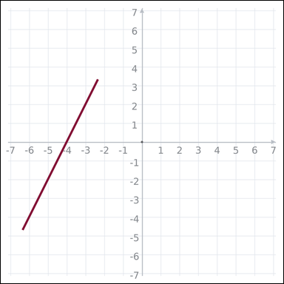 | 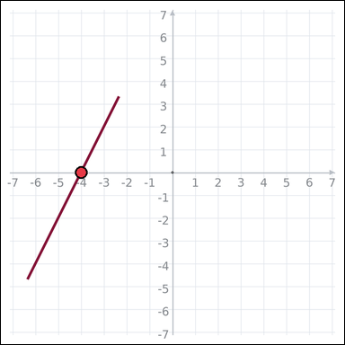 | task_geometry_measurement_slope | line_slope | Look at the graph-paper image showing a straight line. Task: What is the slope of the line? Return a valid JSON object with keys "evidence" and "answer" in that order. Evidence requirement: set "evidence" to one graph-paper point [x, y] where the line crosses the x-axis. Answer format: set "answer" to the slope value rounded to one decimal place. Example JSON: {"evidence":[2,0],"answer":-1.5} | Look at the graph-paper image showing a straight line. Task: What is the slope of the line? Return a valid JSON object with key "answer". Answer rule: set "answer" to the slope value rounded to one decimal place. Example JSON: {"answer":-1.5} | {"evidence": [-4, 0], "answer": 2.0} | [-4, 0] | number | graph_point | 1.1637085442E+15 | geometry/task_geometry_measurement_slope/images/default/0009.png | geometry/task_geometry_measurement_slope/data/default/0009.json
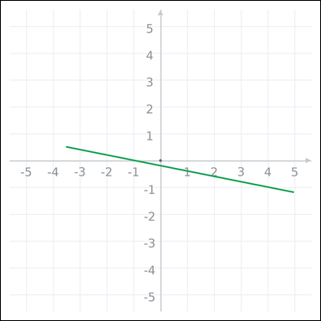 | 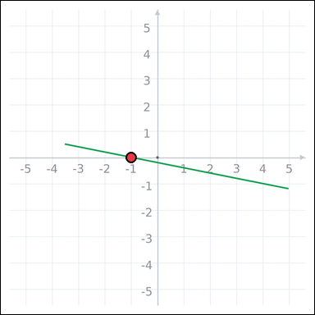 | task_geometry_measurement_slope | line_slope | Use the graph-paper diagram showing a straight line. Question: What is the slope of the line? Return a valid JSON object with keys "evidence" and "answer" in that order. Evidence requirement: set "evidence" to one graph-paper point [x, y] where the line crosses the x-axis. Answer format: set "answer" to the slope value rounded to one decimal place. Example JSON: {"evidence":[2,0],"answer":-1.5} | Use the graph-paper diagram showing a straight line. Question: What is the slope of the line? Return a valid JSON object with key "answer". Answer requirement: set "answer" to the slope value rounded to one decimal place. Example JSON: {"answer":-1.5} | {"evidence": [-1, 0], "answer": -0.2} | [-1, 0] | number | graph_point | 1.2424450178E+15 | geometry/task_geometry_measurement_slope/images/default/0008.png | geometry/task_geometry_measurement_slope/data/default/0008.json
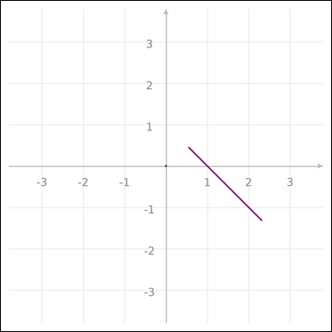 | 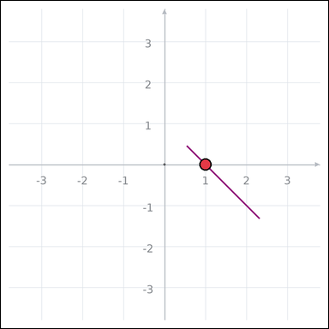 | task_geometry_measurement_slope | line_slope | The graph-paper image shows a straight line. Answer this question: What is the slope of the line? Return a valid JSON object with keys "evidence" and "answer" in that order. Evidence: set "evidence" to one graph-paper point [x, y] where the line crosses the x-axis. Answer: set "answer" to the slope value rounded to one decimal place. Example JSON: {"evidence":[2,0],"answer":-1.5} | The graph-paper image shows a straight line. Answer this question: What is the slope of the line? Return a valid JSON object with key "answer". Answer: set "answer" to the slope value rounded to one decimal place. Example JSON: {"answer":-1.5} | {"evidence": [1, 0], "answer": -1.0} | [1, 0] | number | graph_point | 1.5936348985E+15 | geometry/task_geometry_measurement_slope/images/default/0001.png | geometry/task_geometry_measurement_slope/data/default/0001.json
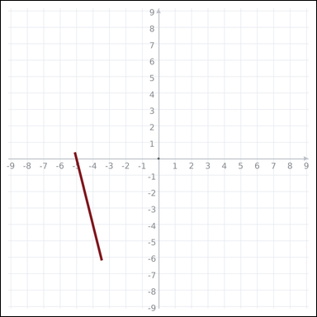 | 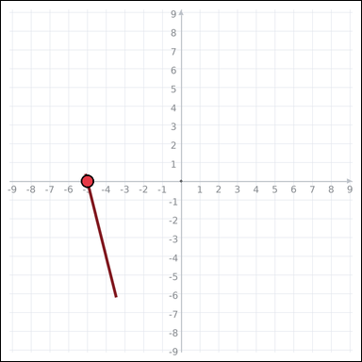 | task_geometry_measurement_slope | line_slope | Look at the graph-paper image showing a straight line. Answer this question: What is the slope of the line? Return a valid JSON object with keys "evidence" and "answer" in that order. Evidence requirement: set "evidence" to one graph-paper point [x, y] where the line crosses the x-axis. Answer format: set "answer" to the slope value rounded to one decimal place. Example JSON: {"evidence":[2,0],"answer":-1.5} | Look at the graph-paper image showing a straight line. Answer this question: What is the slope of the line? Return a valid JSON object with key "answer". Answer requirement: set "answer" to the slope value rounded to one decimal place. Example JSON: {"answer":-1.5} | {"evidence": [-5, 0], "answer": -4.0} | [-5, 0] | number | graph_point | 1.97123981E+15 | geometry/task_geometry_measurement_slope/images/default/0002.png | geometry/task_geometry_measurement_slope/data/default/0002.json
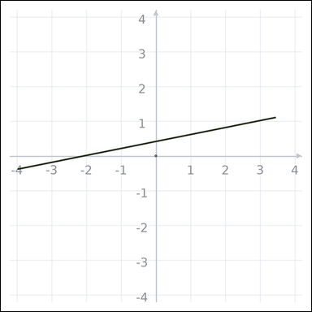 | 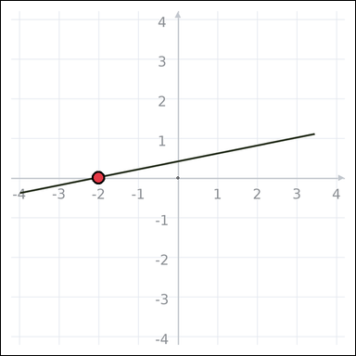 | task_geometry_measurement_slope | line_slope | You are given a graph-paper image showing a straight line. Task: What is the slope of the line? Return a valid JSON object with keys "evidence" and "answer" in that order. Evidence: set "evidence" to one graph-paper point [x, y] where the line crosses the x-axis. Answer: set "answer" to the slope value rounded to one decimal place. Example JSON: {"evidence":[2,0],"answer":-1.5} | You are given a graph-paper image showing a straight line. Task: What is the slope of the line? Return a valid JSON object with key "answer". Answer rule: set "answer" to the slope value rounded to one decimal place. Example JSON: {"answer":-1.5} | {"evidence": [-2, 0], "answer": 0.2} | [-2, 0] | number | graph_point | 2.4501508295E+15 | geometry/task_geometry_measurement_slope/images/default/0014.png | geometry/task_geometry_measurement_slope/data/default/0014.json
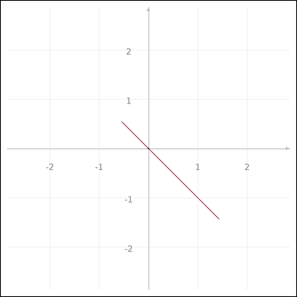 | 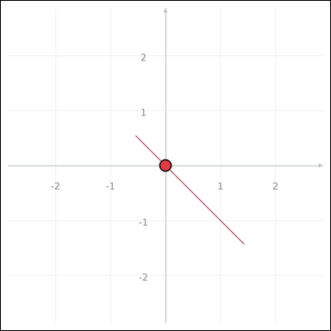 | task_geometry_measurement_slope | line_slope | The graph-paper image shows a straight line. What is the slope of the line? Return a valid JSON object with keys "evidence" and "answer" in that order. Evidence rule: set "evidence" to one graph-paper point [x, y] where the line crosses the x-axis. Answer rule: set "answer" to the slope value rounded to one decimal place. Example JSON: {"evidence":[2,0],"answer":-1.5} | The graph-paper image shows a straight line. What is the slope of the line? Return a valid JSON object with key "answer". Answer requirement: set "answer" to the slope value rounded to one decimal place. Example JSON: {"answer":-1.5} | {"evidence": [0, 0], "answer": -1.0} | [0, 0] | number | graph_point | 2.4578403532E+15 | geometry/task_geometry_measurement_slope/images/default/0018.png | geometry/task_geometry_measurement_slope/data/default/0018.json
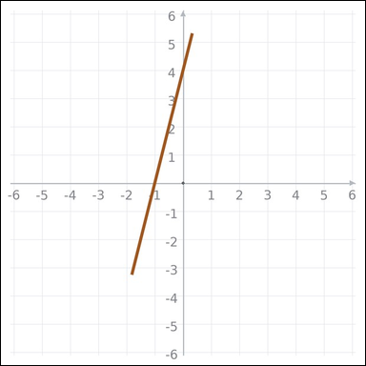 | 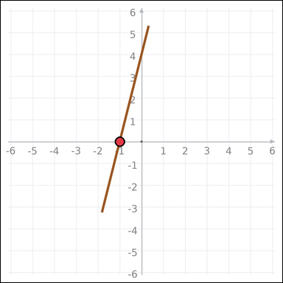 | task_geometry_measurement_slope | line_slope | Look at the graph-paper image showing a straight line. Determine the answer: What is the slope of the line? Return a valid JSON object with keys "evidence" and "answer" in that order. Evidence field: set "evidence" to one graph-paper point [x, y] where the line crosses the x-axis. Answer field: set "answer" to the slope value rounded to one decimal place. Example JSON: {"evidence":[2,0],"answer":-1.5} | Look at the graph-paper image showing a straight line. Determine the answer: What is the slope of the line? Return a valid JSON object with key "answer". Answer field: set "answer" to the slope value rounded to one decimal place. Example JSON: {"answer":-1.5} | {"evidence": [-1, 0], "answer": 4.0} | [-1, 0] | number | graph_point | 2.4878978918E+15 | geometry/task_geometry_measurement_slope/images/default/0012.png | geometry/task_geometry_measurement_slope/data/default/0012.json
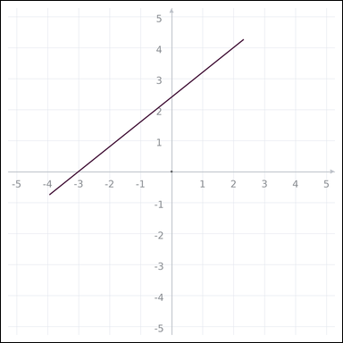 | 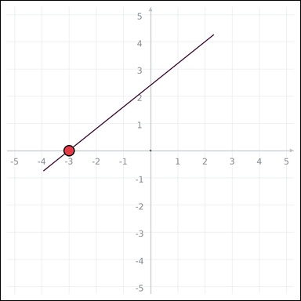 | task_geometry_measurement_slope | line_slope | Work from the graph-paper image showing a straight line. What is the slope of the line? Return a valid JSON object with keys "evidence" and "answer" in that order. Evidence: set "evidence" to one graph-paper point [x, y] where the line crosses the x-axis. Answer: set "answer" to the slope value rounded to one decimal place. Example JSON: {"evidence":[2,0],"answer":-1.5} | Work from the graph-paper image showing a straight line. What is the slope of the line? Return a valid JSON object with key "answer". Answer requirement: set "answer" to the slope value rounded to one decimal place. Example JSON: {"answer":-1.5} | {"evidence": [-3, 0], "answer": 0.8} | [-3, 0] | number | graph_point | 2.6852054402E+15 | geometry/task_geometry_measurement_slope/images/default/0005.png | geometry/task_geometry_measurement_slope/data/default/0005.json
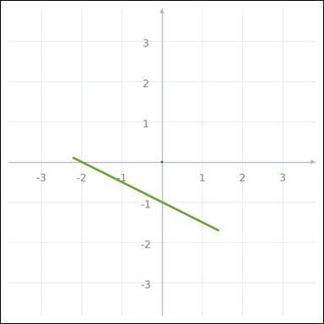 | 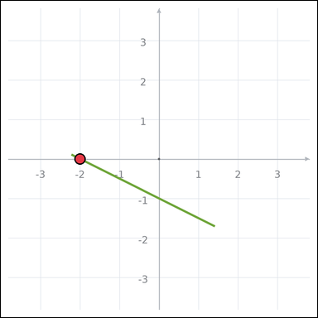 | task_geometry_measurement_slope | line_slope | Work from the graph-paper image showing a straight line. Determine the answer: What is the slope of the line? Return a valid JSON object with keys "evidence" and "answer" in that order. Evidence requirement: set "evidence" to one graph-paper point [x, y] where the line crosses the x-axis. Answer format: set "answer" to the slope value rounded to one decimal place. Example JSON: {"evidence":[2,0],"answer":-1.5} | Work from the graph-paper image showing a straight line. Determine the answer: What is the slope of the line? Return a valid JSON object with key "answer". Answer: set "answer" to the slope value rounded to one decimal place. Example JSON: {"answer":-1.5} | {"evidence": [-2, 0], "answer": -0.5} | [-2, 0] | number | graph_point | 3.3187756689E+15 | geometry/task_geometry_measurement_slope/images/default/0007.png | geometry/task_geometry_measurement_slope/data/default/0007.json
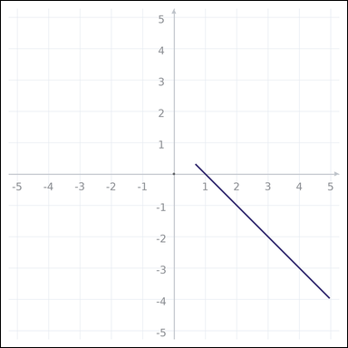 | 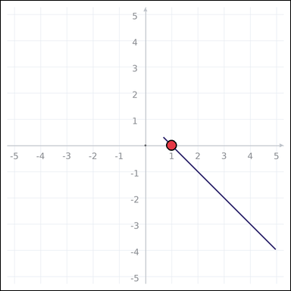 | task_geometry_measurement_slope | line_slope | Look at the graph-paper image showing a straight line. Task: What is the slope of the line? Return a valid JSON object with keys "evidence" and "answer" in that order. Evidence requirement: set "evidence" to one graph-paper point [x, y] where the line crosses the x-axis. Answer format: set "answer" to the slope value rounded to one decimal place. Example JSON: {"evidence":[2,0],"answer":-1.5} | Look at the graph-paper image showing a straight line. Task: What is the slope of the line? Return a valid JSON object with key "answer". Answer field: set "answer" to the slope value rounded to one decimal place. Example JSON: {"answer":-1.5} | {"evidence": [1, 0], "answer": -1.0} | [1, 0] | number | graph_point | 3.8736482484E+15 | geometry/task_geometry_measurement_slope/images/default/0019.png | geometry/task_geometry_measurement_slope/data/default/0019.json
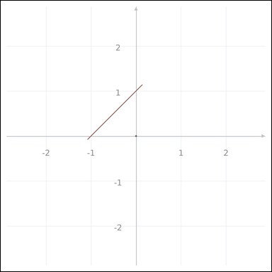 | 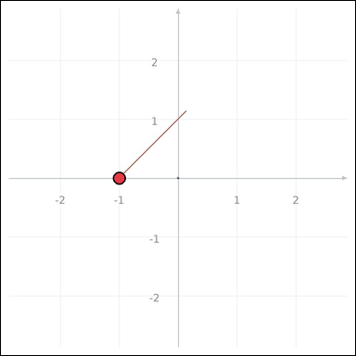 | task_geometry_measurement_slope | line_slope | The graph-paper image shows a straight line. Task: What is the slope of the line? Return a valid JSON object with keys "evidence" and "answer" in that order. Evidence: set "evidence" to one graph-paper point [x, y] where the line crosses the x-axis. Answer: set "answer" to the slope value rounded to one decimal place. Example JSON: {"evidence":[2,0],"answer":-1.5} | The graph-paper image shows a straight line. Task: What is the slope of the line? Return a valid JSON object with key "answer". Answer format: set "answer" to the slope value rounded to one decimal place. Example JSON: {"answer":-1.5} | {"evidence": [-1, 0], "answer": 1.0} | [-1, 0] | number | graph_point | 3.9230282418E+15 | geometry/task_geometry_measurement_slope/images/default/0021.png | geometry/task_geometry_measurement_slope/data/default/0021.json
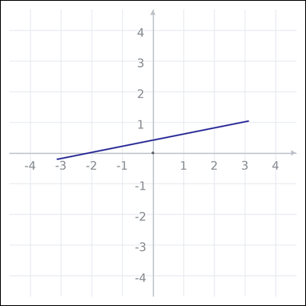 | 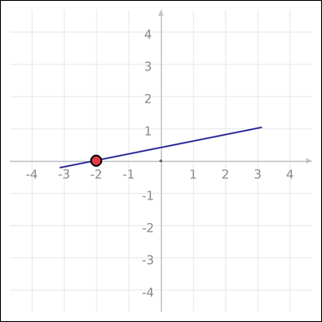 | task_geometry_measurement_slope | line_slope | You are given a graph-paper image showing a straight line. What is the slope of the line? Return a valid JSON object with keys "evidence" and "answer" in that order. Evidence format: set "evidence" to one graph-paper point [x, y] where the line crosses the x-axis. Answer requirement: set "answer" to the slope value rounded to one decimal place. Example JSON: {"evidence":[2,0],"answer":-1.5} | You are given a graph-paper image showing a straight line. What is the slope of the line? Return a valid JSON object with key "answer". Answer field: set "answer" to the slope value rounded to one decimal place. Example JSON: {"answer":-1.5} | {"evidence": [-2, 0], "answer": 0.2} | [-2, 0] | number | graph_point | 4.2184344163E+15 | geometry/task_geometry_measurement_slope/images/default/0011.png | geometry/task_geometry_measurement_slope/data/default/0011.json
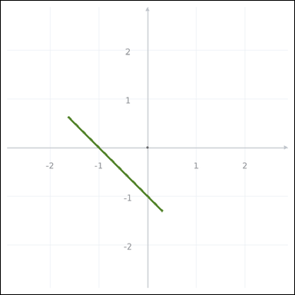 | 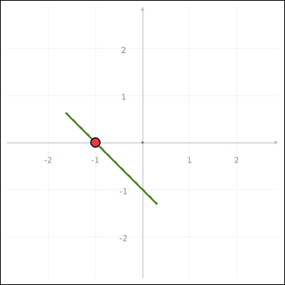 | task_geometry_measurement_slope | line_slope | You are given a graph-paper image showing a straight line. Task: What is the slope of the line? Return a valid JSON object with keys "evidence" and "answer" in that order. Evidence rule: set "evidence" to one graph-paper point [x, y] where the line crosses the x-axis. Answer rule: set "answer" to the slope value rounded to one decimal place. Example JSON: {"evidence":[2,0],"answer":-1.5} | You are given a graph-paper image showing a straight line. Task: What is the slope of the line? Return a valid JSON object with key "answer". Answer field: set "answer" to the slope value rounded to one decimal place. Example JSON: {"answer":-1.5} | {"evidence": [-1, 0], "answer": -1.0} | [-1, 0] | number | graph_point | 4.4087017002E+15 | geometry/task_geometry_measurement_slope/images/default/0003.png | geometry/task_geometry_measurement_slope/data/default/0003.json
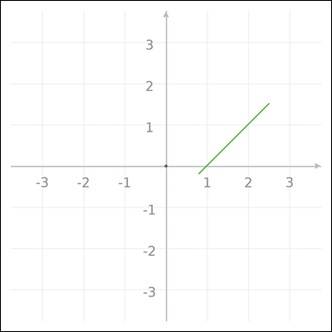 | 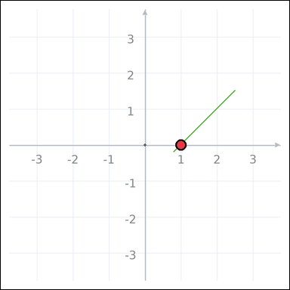 | task_geometry_measurement_slope | line_slope | The graph-paper image shows a straight line. Answer this question: What is the slope of the line? Return a valid JSON object with keys "evidence" and "answer" in that order. Evidence requirement: set "evidence" to one graph-paper point [x, y] where the line crosses the x-axis. Answer format: set "answer" to the slope value rounded to one decimal place. Example JSON: {"evidence":[2,0],"answer":-1.5} | The graph-paper image shows a straight line. Answer this question: What is the slope of the line? Return a valid JSON object with key "answer". Answer requirement: set "answer" to the slope value rounded to one decimal place. Example JSON: {"answer":-1.5} | {"evidence": [1, 0], "answer": 1.0} | [1, 0] | number | graph_point | 4.5273008035E+15 | geometry/task_geometry_measurement_slope/images/default/0020.png | geometry/task_geometry_measurement_slope/data/default/0020.json
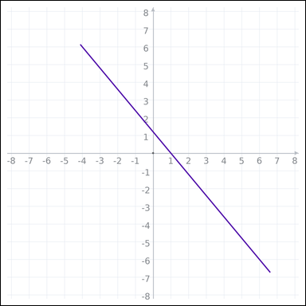 | 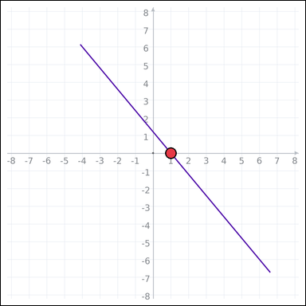 | task_geometry_measurement_slope | line_slope | Look at the graph-paper image showing a straight line. Determine the answer: What is the slope of the line? Return a valid JSON object with keys "evidence" and "answer" in that order. Evidence requirement: set "evidence" to one graph-paper point [x, y] where the line crosses the x-axis. Answer format: set "answer" to the slope value rounded to one decimal place. Example JSON: {"evidence":[2,0],"answer":-1.5} | Look at the graph-paper image showing a straight line. Determine the answer: What is the slope of the line? Return a valid JSON object with key "answer". Answer field: set "answer" to the slope value rounded to one decimal place. Example JSON: {"answer":-1.5} | {"evidence": [1, 0], "answer": -1.2} | [1, 0] | number | graph_point | 4.7133415949E+15 | geometry/task_geometry_measurement_slope/images/default/0024.png | geometry/task_geometry_measurement_slope/data/default/0024.json
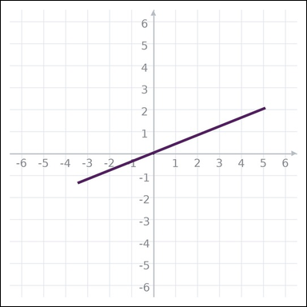 | 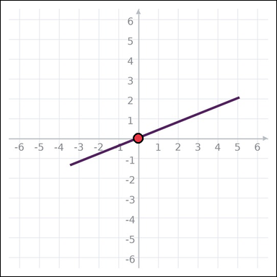 | task_geometry_measurement_slope | line_slope | Use the graph-paper diagram showing a straight line. Answer this question: What is the slope of the line? Return a valid JSON object with keys "evidence" and "answer" in that order. Evidence format: set "evidence" to one graph-paper point [x, y] where the line crosses the x-axis. Answer requirement: set "answer" to the slope value rounded to one decimal place. Example JSON: {"evidence":[2,0],"answer":-1.5} | Use the graph-paper diagram showing a straight line. Answer this question: What is the slope of the line? Return a valid JSON object with key "answer". Answer format: set "answer" to the slope value rounded to one decimal place. Example JSON: {"answer":-1.5} | {"evidence": [0, 0], "answer": 0.4} | [0, 0] | number | graph_point | 5.0079685129E+15 | geometry/task_geometry_measurement_slope/images/default/0017.png | geometry/task_geometry_measurement_slope/data/default/0017.json
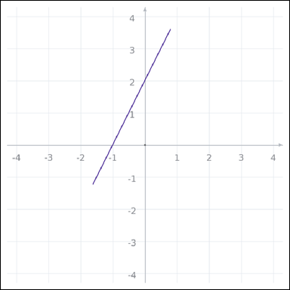 | 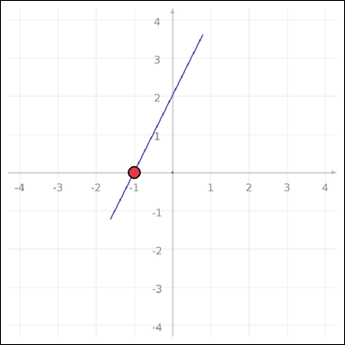 | task_geometry_measurement_slope | line_slope | The graph-paper image shows a straight line. What is the slope of the line? Return a valid JSON object with keys "evidence" and "answer" in that order. Evidence requirement: set "evidence" to one graph-paper point [x, y] where the line crosses the x-axis. Answer format: set "answer" to the slope value rounded to one decimal place. Example JSON: {"evidence":[2,0],"answer":-1.5} | The graph-paper image shows a straight line. What is the slope of the line? Return a valid JSON object with key "answer". Answer field: set "answer" to the slope value rounded to one decimal place. Example JSON: {"answer":-1.5} | {"evidence": [-1, 0], "answer": 2.0} | [-1, 0] | number | graph_point | 5.2154371559E+15 | geometry/task_geometry_measurement_slope/images/default/0022.png | geometry/task_geometry_measurement_slope/data/default/0022.json
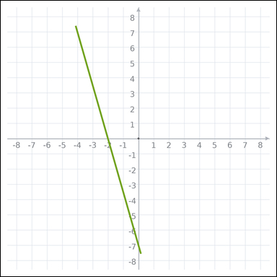 | 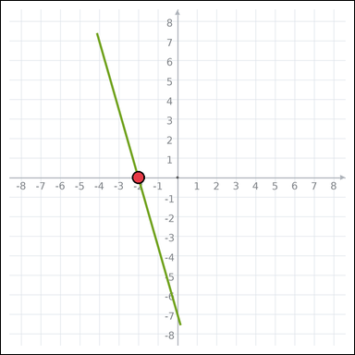 | task_geometry_measurement_slope | line_slope | Use the graph-paper diagram showing a straight line. Task: What is the slope of the line? Return a valid JSON object with keys "evidence" and "answer" in that order. Evidence requirement: set "evidence" to one graph-paper point [x, y] where the line crosses the x-axis. Answer format: set "answer" to the slope value rounded to one decimal place. Example JSON: {"evidence":[2,0],"answer":-1.5} | Use the graph-paper diagram showing a straight line. Task: What is the slope of the line? Return a valid JSON object with key "answer". Answer requirement: set "answer" to the slope value rounded to one decimal place. Example JSON: {"answer":-1.5} | {"evidence": [-2, 0], "answer": -3.5} | [-2, 0] | number | graph_point | 6.0045861365E+15 | geometry/task_geometry_measurement_slope/images/default/0000.png | geometry/task_geometry_measurement_slope/data/default/0000.json
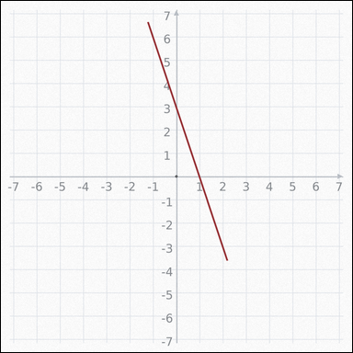 | 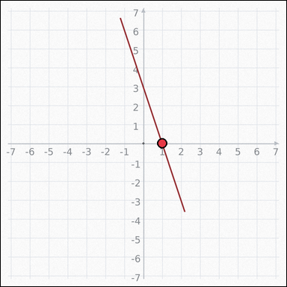 | task_geometry_measurement_slope | line_slope | The graph-paper image shows a straight line. What is the slope of the line? Return a valid JSON object with keys "evidence" and "answer" in that order. Evidence format: set "evidence" to one graph-paper point [x, y] where the line crosses the x-axis. Answer requirement: set "answer" to the slope value rounded to one decimal place. Example JSON: {"evidence":[2,0],"answer":-1.5} | The graph-paper image shows a straight line. What is the slope of the line? Return a valid JSON object with key "answer". Answer format: set "answer" to the slope value rounded to one decimal place. Example JSON: {"answer":-1.5} | {"evidence": [1, 0], "answer": -3.0} | [1, 0] | number | graph_point | 6.0737707967E+15 | geometry/task_geometry_measurement_slope/images/default/0015.png | geometry/task_geometry_measurement_slope/data/default/0015.json
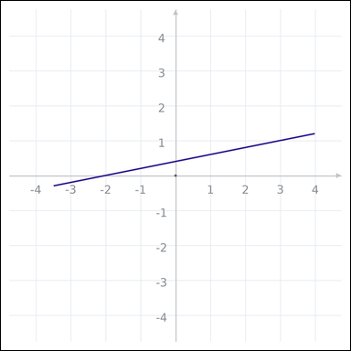 | 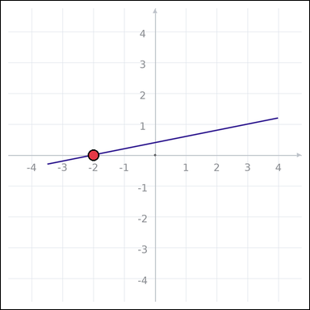 | task_geometry_measurement_slope | line_slope | Work from the graph-paper image showing a straight line. What is the slope of the line? Return a valid JSON object with keys "evidence" and "answer" in that order. Evidence format: set "evidence" to one graph-paper point [x, y] where the line crosses the x-axis. Answer requirement: set "answer" to the slope value rounded to one decimal place. Example JSON: {"evidence":[2,0],"answer":-1.5} | Work from the graph-paper image showing a straight line. What is the slope of the line? Return a valid JSON object with key "answer". Answer rule: set "answer" to the slope value rounded to one decimal place. Example JSON: {"answer":-1.5} | {"evidence": [-2, 0], "answer": 0.2} | [-2, 0] | number | graph_point | 6.2375368358E+15 | geometry/task_geometry_measurement_slope/images/default/0016.png | geometry/task_geometry_measurement_slope/data/default/0016.json
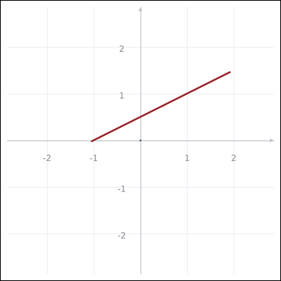 | 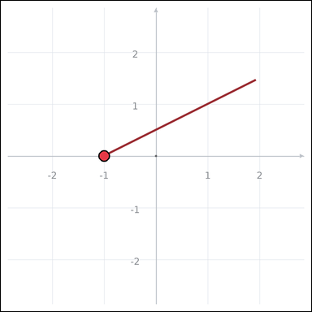 | task_geometry_measurement_slope | line_slope | Look at the graph-paper image showing a straight line. Question: What is the slope of the line? Return a valid JSON object with keys "evidence" and "answer" in that order. Evidence rule: set "evidence" to one graph-paper point [x, y] where the line crosses the x-axis. Answer rule: set "answer" to the slope value rounded to one decimal place. Example JSON: {"evidence":[2,0],"answer":-1.5} | Look at the graph-paper image showing a straight line. Question: What is the slope of the line? Return a valid JSON object with key "answer". Answer format: set "answer" to the slope value rounded to one decimal place. Example JSON: {"answer":-1.5} | {"evidence": [-1, 0], "answer": 0.5} | [-1, 0] | number | graph_point | 7.3310897848E+15 | geometry/task_geometry_measurement_slope/images/default/0010.png | geometry/task_geometry_measurement_slope/data/default/0010.json
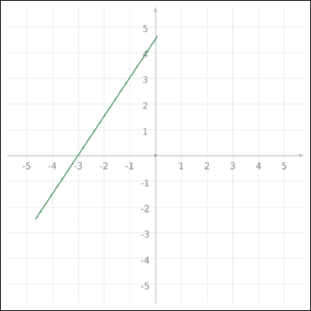 | 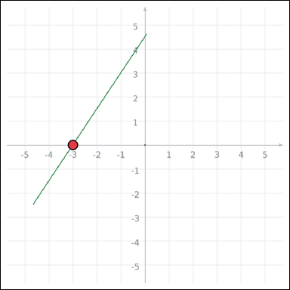 | task_geometry_measurement_slope | line_slope | You are given a graph-paper image showing a straight line. Determine the answer: What is the slope of the line? Return a valid JSON object with keys "evidence" and "answer" in that order. Evidence field: set "evidence" to one graph-paper point [x, y] where the line crosses the x-axis. Answer field: set "answer" to the slope value rounded to one decimal place. Example JSON: {"evidence":[2,0],"answer":-1.5} | You are given a graph-paper image showing a straight line. Determine the answer: What is the slope of the line? Return a valid JSON object with key "answer". Answer format: set "answer" to the slope value rounded to one decimal place. Example JSON: {"answer":-1.5} | {"evidence": [-3, 0], "answer": 1.5} | [-3, 0] | number | graph_point | 7.6919127212E+15 | geometry/task_geometry_measurement_slope/images/default/0006.png | geometry/task_geometry_measurement_slope/data/default/0006.json
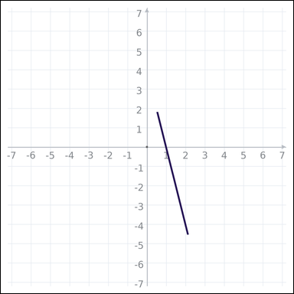 | 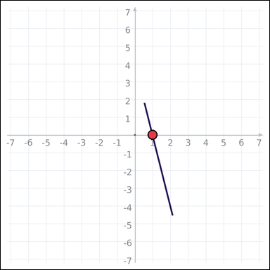 | task_geometry_measurement_slope | line_slope | Use the graph-paper diagram showing a straight line. Question: What is the slope of the line? Return a valid JSON object with keys "evidence" and "answer" in that order. Evidence requirement: set "evidence" to one graph-paper point [x, y] where the line crosses the x-axis. Answer format: set "answer" to the slope value rounded to one decimal place. Example JSON: {"evidence":[2,0],"answer":-1.5} | Use the graph-paper diagram showing a straight line. Question: What is the slope of the line? Return a valid JSON object with key "answer". Answer format: set "answer" to the slope value rounded to one decimal place. Example JSON: {"answer":-1.5} | {"evidence": [1, 0], "answer": -4.0} | [1, 0] | number | graph_point | 8.3155447584E+15 | geometry/task_geometry_measurement_slope/images/default/0023.png | geometry/task_geometry_measurement_slope/data/default/0023.json
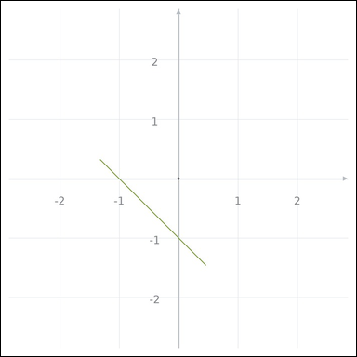 | 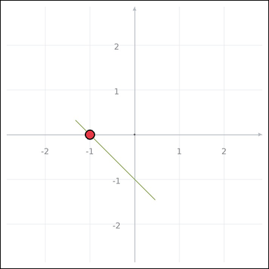 | task_geometry_measurement_slope | line_slope | The graph-paper image shows a straight line. Question: What is the slope of the line? Return a valid JSON object with keys "evidence" and "answer" in that order. Evidence: set "evidence" to one graph-paper point [x, y] where the line crosses the x-axis. Answer: set "answer" to the slope value rounded to one decimal place. Example JSON: {"evidence":[2,0],"answer":-1.5} | The graph-paper image shows a straight line. Question: What is the slope of the line? Return a valid JSON object with key "answer". Answer rule: set "answer" to the slope value rounded to one decimal place. Example JSON: {"answer":-1.5} | {"evidence": [-1, 0], "answer": -1.0} | [-1, 0] | number | graph_point | 8.6373166298E+15 | geometry/task_geometry_measurement_slope/images/default/0013.png | geometry/task_geometry_measurement_slope/data/default/0013.json
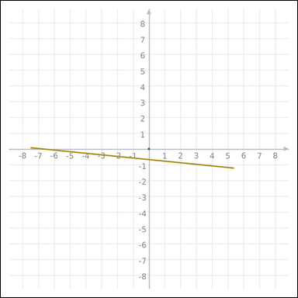 | 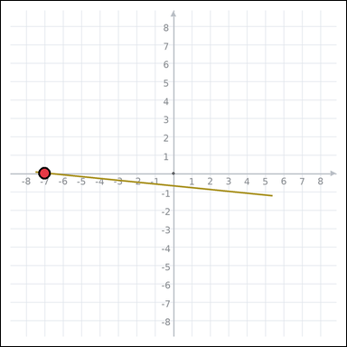 | task_geometry_measurement_slope | line_slope | You are given a graph-paper image showing a straight line. Question: What is the slope of the line? Return a valid JSON object with keys "evidence" and "answer" in that order. Evidence requirement: set "evidence" to one graph-paper point [x, y] where the line crosses the x-axis. Answer format: set "answer" to the slope value rounded to one decimal place. Example JSON: {"evidence":[2,0],"answer":-1.5} | You are given a graph-paper image showing a straight line. Question: What is the slope of the line? Return a valid JSON object with key "answer". Answer: set "answer" to the slope value rounded to one decimal place. Example JSON: {"answer":-1.5} | {"evidence": [-7, 0], "answer": -0.1} | [-7, 0] | number | graph_point | 8.8264070964E+15 | geometry/task_geometry_measurement_slope/images/default/0004.png | geometry/task_geometry_measurement_slope/data/default/0004.json

