largest_component_size
image | evidence_image | task | task_variant | prompt | prompt_answer_only | answer | answer_evidence | answer_type | evidence_type | instance_seed | image_path | data_path
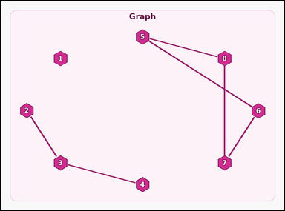 |  | task_graph_comparison_largest_component_size | largest_component_size | Look at the image with a labeled undirected graph. Task: How many nodes are in the largest connected component? Return a valid JSON object with keys "evidence" and "answer" in that order. Evidence requirement: set "evidence" to an array containing the labels of all nodes in the unique largest connected component, sorted in ascending label order. Answer format: set "answer" to the size of that connected component as an integer. Example JSON: {"evidence":["2","5","7","9"],"answer":4} | Look at the image with a labeled undirected graph. Task: How many nodes are in the largest connected component? Return a valid JSON object with key "answer". Answer: set "answer" to the size of that connected component as an integer. Example JSON: {"answer":4} | {"evidence": ["5", "6", "7", "8"], "answer": 4} | ["5", "6", "7", "8"] | integer | label_set | 261577189063561 | graph/task_graph_comparison_largest_component_size/images/default/0010.png | graph/task_graph_comparison_largest_component_size/data/default/0010.json
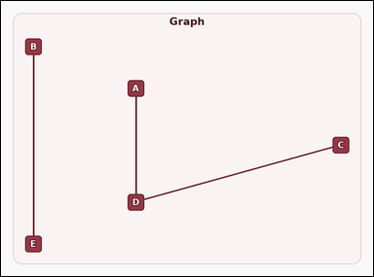 |  | task_graph_comparison_largest_component_size | largest_component_size | You are given an image with a labeled undirected graph. Answer this question: How many nodes are in the largest connected component? Return a valid JSON object with keys "evidence" and "answer" in that order. Evidence requirement: set "evidence" to an array containing the labels of all nodes in the unique largest connected component, sorted in ascending label order. Answer format: set "answer" to the size of that connected component as an integer. Example JSON: {"evidence":["B","D","H","J"],"answer":4} | You are given an image with a labeled undirected graph. Answer this question: How many nodes are in the largest connected component? Return a valid JSON object with key "answer". Answer requirement: set "answer" to the size of that connected component as an integer. Example JSON: {"answer":4} | {"evidence": ["A", "C", "D"], "answer": 3} | ["A", "C", "D"] | integer | label_set | 677080695347958 | graph/task_graph_comparison_largest_component_size/images/default/0001.png | graph/task_graph_comparison_largest_component_size/data/default/0001.json
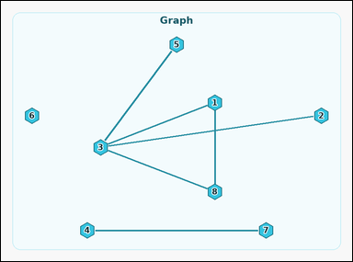 |  | task_graph_comparison_largest_component_size | largest_component_size | The image shows a labeled undirected graph. How many nodes are in the largest connected component? Return a valid JSON object with keys "evidence" and "answer" in that order. Evidence format: set "evidence" to an array containing the labels of all nodes in the unique largest connected component, sorted in ascending label order. Answer requirement: set "answer" to the size of that connected component as an integer. Example JSON: {"evidence":["2","5","7","9"],"answer":4} | The image shows a labeled undirected graph. How many nodes are in the largest connected component? Return a valid JSON object with key "answer". Answer rule: set "answer" to the size of that connected component as an integer. Example JSON: {"answer":4} | {"evidence": ["1", "2", "3", "5", "8"], "answer": 5} | ["1", "2", "3", "5", "8"] | integer | label_set | 827117755885128 | graph/task_graph_comparison_largest_component_size/images/default/0019.png | graph/task_graph_comparison_largest_component_size/data/default/0019.json
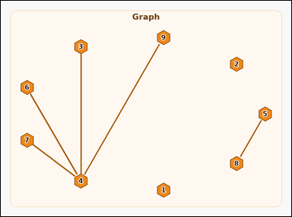 |  | task_graph_comparison_largest_component_size | largest_component_size | You are given an image with a labeled undirected graph. Task: How many nodes are in the largest connected component? Return a valid JSON object with keys "evidence" and "answer" in that order. Evidence field: set "evidence" to an array containing the labels of all nodes in the unique largest connected component, sorted in ascending label order. Answer field: set "answer" to the size of that connected component as an integer. Example JSON: {"evidence":["2","5","7","9"],"answer":4} | You are given an image with a labeled undirected graph. Task: How many nodes are in the largest connected component? Return a valid JSON object with key "answer". Answer rule: set "answer" to the size of that connected component as an integer. Example JSON: {"answer":4} | {"evidence": ["3", "4", "6", "7", "9"], "answer": 5} | ["3", "4", "6", "7", "9"] | integer | label_set | 1.120208522E+15 | graph/task_graph_comparison_largest_component_size/images/default/0014.png | graph/task_graph_comparison_largest_component_size/data/default/0014.json
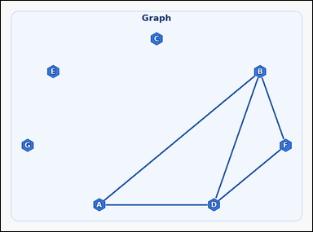 |  | task_graph_comparison_largest_component_size | largest_component_size | The image shows a labeled undirected graph. Question: How many nodes are in the largest connected component? Return a valid JSON object with keys "evidence" and "answer" in that order. Evidence: set "evidence" to an array containing the labels of all nodes in the unique largest connected component, sorted in ascending label order. Answer: set "answer" to the size of that connected component as an integer. Example JSON: {"evidence":["B","D","H","J"],"answer":4} | The image shows a labeled undirected graph. Question: How many nodes are in the largest connected component? Return a valid JSON object with key "answer". Answer requirement: set "answer" to the size of that connected component as an integer. Example JSON: {"answer":4} | {"evidence": ["A", "B", "D", "F"], "answer": 4} | ["A", "B", "D", "F"] | integer | label_set | 1.7037771417E+15 | graph/task_graph_comparison_largest_component_size/images/default/0002.png | graph/task_graph_comparison_largest_component_size/data/default/0002.json
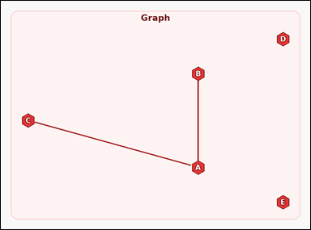 |  | task_graph_comparison_largest_component_size | largest_component_size | Look at the image with a labeled undirected graph. Answer this question: How many nodes are in the largest connected component? Return a valid JSON object with keys "evidence" and "answer" in that order. Evidence: set "evidence" to an array containing the labels of all nodes in the unique largest connected component, sorted in ascending label order. Answer: set "answer" to the size of that connected component as an integer. Example JSON: {"evidence":["B","D","H","J"],"answer":4} | Look at the image with a labeled undirected graph. Answer this question: How many nodes are in the largest connected component? Return a valid JSON object with key "answer". Answer field: set "answer" to the size of that connected component as an integer. Example JSON: {"answer":4} | {"evidence": ["A", "B", "C"], "answer": 3} | ["A", "B", "C"] | integer | label_set | 2.3478943826E+15 | graph/task_graph_comparison_largest_component_size/images/default/0024.png | graph/task_graph_comparison_largest_component_size/data/default/0024.json
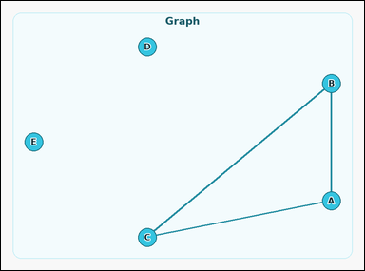 |  | task_graph_comparison_largest_component_size | largest_component_size | Look at the image with a labeled undirected graph. Answer this question: How many nodes are in the largest connected component? Return a valid JSON object with keys "evidence" and "answer" in that order. Evidence requirement: set "evidence" to an array containing the labels of all nodes in the unique largest connected component, sorted in ascending label order. Answer format: set "answer" to the size of that connected component as an integer. Example JSON: {"evidence":["B","D","H","J"],"answer":4} | Look at the image with a labeled undirected graph. Answer this question: How many nodes are in the largest connected component? Return a valid JSON object with key "answer". Answer field: set "answer" to the size of that connected component as an integer. Example JSON: {"answer":4} | {"evidence": ["A", "B", "C"], "answer": 3} | ["A", "B", "C"] | integer | label_set | 2.4123554834E+15 | graph/task_graph_comparison_largest_component_size/images/default/0021.png | graph/task_graph_comparison_largest_component_size/data/default/0021.json
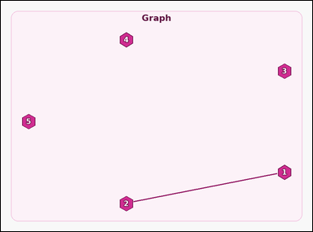 |  | task_graph_comparison_largest_component_size | largest_component_size | The image shows a labeled undirected graph. Question: How many nodes are in the largest connected component? Return a valid JSON object with keys "evidence" and "answer" in that order. Evidence: set "evidence" to an array containing the labels of all nodes in the unique largest connected component, sorted in ascending label order. Answer: set "answer" to the size of that connected component as an integer. Example JSON: {"evidence":["2","5","7","9"],"answer":4} | The image shows a labeled undirected graph. Question: How many nodes are in the largest connected component? Return a valid JSON object with key "answer". Answer: set "answer" to the size of that connected component as an integer. Example JSON: {"answer":4} | {"evidence": ["1", "2"], "answer": 2} | ["1", "2"] | integer | label_set | 2.4491544565E+15 | graph/task_graph_comparison_largest_component_size/images/default/0006.png | graph/task_graph_comparison_largest_component_size/data/default/0006.json
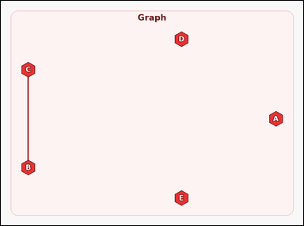 |  | task_graph_comparison_largest_component_size | largest_component_size | Use the image containing a labeled undirected graph. How many nodes are in the largest connected component? Return a valid JSON object with keys "evidence" and "answer" in that order. Evidence: set "evidence" to an array containing the labels of all nodes in the unique largest connected component, sorted in ascending label order. Answer: set "answer" to the size of that connected component as an integer. Example JSON: {"evidence":["B","D","H","J"],"answer":4} | Use the image containing a labeled undirected graph. How many nodes are in the largest connected component? Return a valid JSON object with key "answer". Answer rule: set "answer" to the size of that connected component as an integer. Example JSON: {"answer":4} | {"evidence": ["B", "C"], "answer": 2} | ["B", "C"] | integer | label_set | 3.0317672606E+15 | graph/task_graph_comparison_largest_component_size/images/default/0008.png | graph/task_graph_comparison_largest_component_size/data/default/0008.json
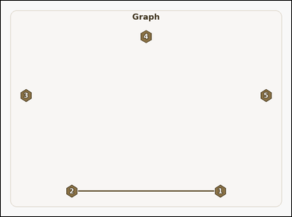 |  | task_graph_comparison_largest_component_size | largest_component_size | The image shows a labeled undirected graph. Answer this question: How many nodes are in the largest connected component? Return a valid JSON object with keys "evidence" and "answer" in that order. Evidence requirement: set "evidence" to an array containing the labels of all nodes in the unique largest connected component, sorted in ascending label order. Answer format: set "answer" to the size of that connected component as an integer. Example JSON: {"evidence":["2","5","7","9"],"answer":4} | The image shows a labeled undirected graph. Answer this question: How many nodes are in the largest connected component? Return a valid JSON object with key "answer". Answer format: set "answer" to the size of that connected component as an integer. Example JSON: {"answer":4} | {"evidence": ["1", "2"], "answer": 2} | ["1", "2"] | integer | label_set | 3.0416398948E+15 | graph/task_graph_comparison_largest_component_size/images/default/0020.png | graph/task_graph_comparison_largest_component_size/data/default/0020.json
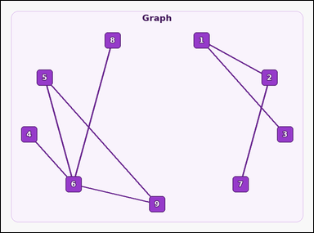 |  | task_graph_comparison_largest_component_size | largest_component_size | Look at the image with a labeled undirected graph. Answer this question: How many nodes are in the largest connected component? Return a valid JSON object with keys "evidence" and "answer" in that order. Evidence format: set "evidence" to an array containing the labels of all nodes in the unique largest connected component, sorted in ascending label order. Answer requirement: set "answer" to the size of that connected component as an integer. Example JSON: {"evidence":["2","5","7","9"],"answer":4} | Look at the image with a labeled undirected graph. Answer this question: How many nodes are in the largest connected component? Return a valid JSON object with key "answer". Answer format: set "answer" to the size of that connected component as an integer. Example JSON: {"answer":4} | {"evidence": ["4", "5", "6", "8", "9"], "answer": 5} | ["4", "5", "6", "8", "9"] | integer | label_set | 3.3645323787E+15 | graph/task_graph_comparison_largest_component_size/images/default/0013.png | graph/task_graph_comparison_largest_component_size/data/default/0013.json
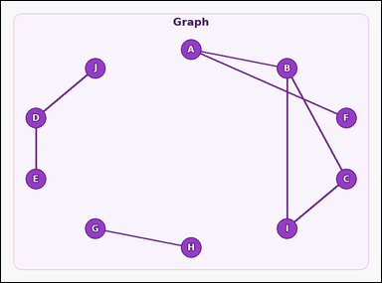 |  | task_graph_comparison_largest_component_size | largest_component_size | You are given an image with a labeled undirected graph. Answer this question: How many nodes are in the largest connected component? Return a valid JSON object with keys "evidence" and "answer" in that order. Evidence requirement: set "evidence" to an array containing the labels of all nodes in the unique largest connected component, sorted in ascending label order. Answer format: set "answer" to the size of that connected component as an integer. Example JSON: {"evidence":["B","D","H","J"],"answer":4} | You are given an image with a labeled undirected graph. Answer this question: How many nodes are in the largest connected component? Return a valid JSON object with key "answer". Answer requirement: set "answer" to the size of that connected component as an integer. Example JSON: {"answer":4} | {"evidence": ["A", "B", "C", "F", "I"], "answer": 5} | ["A", "B", "C", "F", "I"] | integer | label_set | 3.5112403344E+15 | graph/task_graph_comparison_largest_component_size/images/default/0015.png | graph/task_graph_comparison_largest_component_size/data/default/0015.json
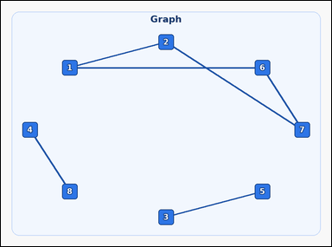 |  | task_graph_comparison_largest_component_size | largest_component_size | You are given an image with a labeled undirected graph. Question: How many nodes are in the largest connected component? Return a valid JSON object with keys "evidence" and "answer" in that order. Evidence format: set "evidence" to an array containing the labels of all nodes in the unique largest connected component, sorted in ascending label order. Answer requirement: set "answer" to the size of that connected component as an integer. Example JSON: {"evidence":["2","5","7","9"],"answer":4} | You are given an image with a labeled undirected graph. Question: How many nodes are in the largest connected component? Return a valid JSON object with key "answer". Answer field: set "answer" to the size of that connected component as an integer. Example JSON: {"answer":4} | {"evidence": ["1", "2", "6", "7"], "answer": 4} | ["1", "2", "6", "7"] | integer | label_set | 4.3541104468E+15 | graph/task_graph_comparison_largest_component_size/images/default/0004.png | graph/task_graph_comparison_largest_component_size/data/default/0004.json
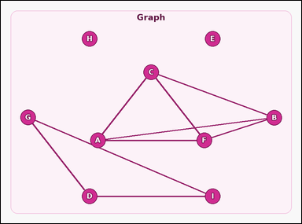 |  | task_graph_comparison_largest_component_size | largest_component_size | You are given an image with a labeled undirected graph. Task: How many nodes are in the largest connected component? Return a valid JSON object with keys "evidence" and "answer" in that order. Evidence format: set "evidence" to an array containing the labels of all nodes in the unique largest connected component, sorted in ascending label order. Answer requirement: set "answer" to the size of that connected component as an integer. Example JSON: {"evidence":["B","D","H","J"],"answer":4} | You are given an image with a labeled undirected graph. Task: How many nodes are in the largest connected component? Return a valid JSON object with key "answer". Answer rule: set "answer" to the size of that connected component as an integer. Example JSON: {"answer":4} | {"evidence": ["A", "B", "C", "F"], "answer": 4} | ["A", "B", "C", "F"] | integer | label_set | 4.429106954E+15 | graph/task_graph_comparison_largest_component_size/images/default/0016.png | graph/task_graph_comparison_largest_component_size/data/default/0016.json
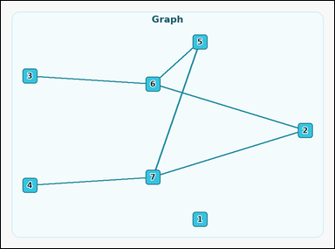 |  | task_graph_comparison_largest_component_size | largest_component_size | You are given an image with a labeled undirected graph. Task: How many nodes are in the largest connected component? Return a valid JSON object with keys "evidence" and "answer" in that order. Evidence requirement: set "evidence" to an array containing the labels of all nodes in the unique largest connected component, sorted in ascending label order. Answer format: set "answer" to the size of that connected component as an integer. Example JSON: {"evidence":["2","5","7","9"],"answer":4} | You are given an image with a labeled undirected graph. Task: How many nodes are in the largest connected component? Return a valid JSON object with key "answer". Answer format: set "answer" to the size of that connected component as an integer. Example JSON: {"answer":4} | {"evidence": ["2", "3", "4", "5", "6", "7"], "answer": 6} | ["2", "3", "4", "5", "6", "7"] | integer | label_set | 4.54349157E+15 | graph/task_graph_comparison_largest_component_size/images/default/0005.png | graph/task_graph_comparison_largest_component_size/data/default/0005.json
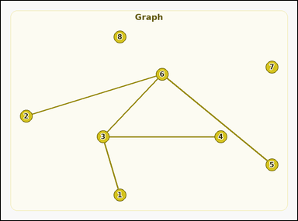 |  | task_graph_comparison_largest_component_size | largest_component_size | Work from the image with a labeled undirected graph. Question: How many nodes are in the largest connected component? Return a valid JSON object with keys "evidence" and "answer" in that order. Evidence requirement: set "evidence" to an array containing the labels of all nodes in the unique largest connected component, sorted in ascending label order. Answer format: set "answer" to the size of that connected component as an integer. Example JSON: {"evidence":["2","5","7","9"],"answer":4} | Work from the image with a labeled undirected graph. Question: How many nodes are in the largest connected component? Return a valid JSON object with key "answer". Answer rule: set "answer" to the size of that connected component as an integer. Example JSON: {"answer":4} | {"evidence": ["1", "2", "3", "4", "5", "6"], "answer": 6} | ["1", "2", "3", "4", "5", "6"] | integer | label_set | 4.8135286023E+15 | graph/task_graph_comparison_largest_component_size/images/default/0003.png | graph/task_graph_comparison_largest_component_size/data/default/0003.json
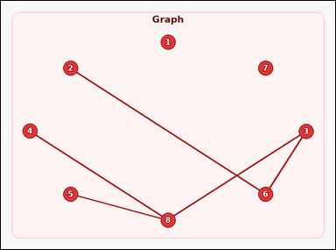 |  | task_graph_comparison_largest_component_size | largest_component_size | Work from the image with a labeled undirected graph. Answer this question: How many nodes are in the largest connected component? Return a valid JSON object with keys "evidence" and "answer" in that order. Evidence format: set "evidence" to an array containing the labels of all nodes in the unique largest connected component, sorted in ascending label order. Answer requirement: set "answer" to the size of that connected component as an integer. Example JSON: {"evidence":["2","5","7","9"],"answer":4} | Work from the image with a labeled undirected graph. Answer this question: How many nodes are in the largest connected component? Return a valid JSON object with key "answer". Answer requirement: set "answer" to the size of that connected component as an integer. Example JSON: {"answer":4} | {"evidence": ["2", "3", "4", "5", "6", "8"], "answer": 6} | ["2", "3", "4", "5", "6", "8"] | integer | label_set | 5.0291285114E+15 | graph/task_graph_comparison_largest_component_size/images/default/0023.png | graph/task_graph_comparison_largest_component_size/data/default/0023.json
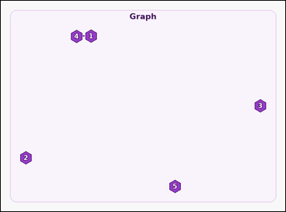 |  | task_graph_comparison_largest_component_size | largest_component_size | Use the image containing a labeled undirected graph. Question: How many nodes are in the largest connected component? Return a valid JSON object with keys "evidence" and "answer" in that order. Evidence format: set "evidence" to an array containing the labels of all nodes in the unique largest connected component, sorted in ascending label order. Answer requirement: set "answer" to the size of that connected component as an integer. Example JSON: {"evidence":["2","5","7","9"],"answer":4} | Use the image containing a labeled undirected graph. Question: How many nodes are in the largest connected component? Return a valid JSON object with key "answer". Answer requirement: set "answer" to the size of that connected component as an integer. Example JSON: {"answer":4} | {"evidence": ["1", "4"], "answer": 2} | ["1", "4"] | integer | label_set | 5.5982237841E+15 | graph/task_graph_comparison_largest_component_size/images/default/0000.png | graph/task_graph_comparison_largest_component_size/data/default/0000.json
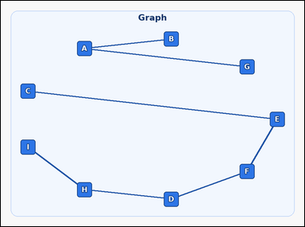 |  | task_graph_comparison_largest_component_size | largest_component_size | Look at the image with a labeled undirected graph. Determine the answer: How many nodes are in the largest connected component? Return a valid JSON object with keys "evidence" and "answer" in that order. Evidence: set "evidence" to an array containing the labels of all nodes in the unique largest connected component, sorted in ascending label order. Answer: set "answer" to the size of that connected component as an integer. Example JSON: {"evidence":["B","D","H","J"],"answer":4} | Look at the image with a labeled undirected graph. Determine the answer: How many nodes are in the largest connected component? Return a valid JSON object with key "answer". Answer requirement: set "answer" to the size of that connected component as an integer. Example JSON: {"answer":4} | {"evidence": ["C", "D", "E", "F", "H", "I"], "answer": 6} | ["C", "D", "E", "F", "H", "I"] | integer | label_set | 6.4899428975E+15 | graph/task_graph_comparison_largest_component_size/images/default/0017.png | graph/task_graph_comparison_largest_component_size/data/default/0017.json
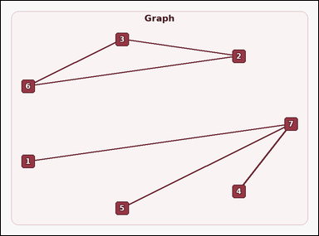 |  | task_graph_comparison_largest_component_size | largest_component_size | The image shows a labeled undirected graph. Task: How many nodes are in the largest connected component? Return a valid JSON object with keys "evidence" and "answer" in that order. Evidence format: set "evidence" to an array containing the labels of all nodes in the unique largest connected component, sorted in ascending label order. Answer requirement: set "answer" to the size of that connected component as an integer. Example JSON: {"evidence":["2","5","7","9"],"answer":4} | The image shows a labeled undirected graph. Task: How many nodes are in the largest connected component? Return a valid JSON object with key "answer". Answer field: set "answer" to the size of that connected component as an integer. Example JSON: {"answer":4} | {"evidence": ["1", "4", "5", "7"], "answer": 4} | ["1", "4", "5", "7"] | integer | label_set | 6.9005348647E+15 | graph/task_graph_comparison_largest_component_size/images/default/0022.png | graph/task_graph_comparison_largest_component_size/data/default/0022.json
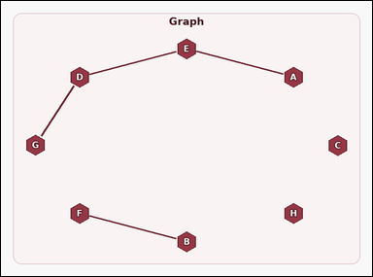 |  | task_graph_comparison_largest_component_size | largest_component_size | The image shows a labeled undirected graph. Task: How many nodes are in the largest connected component? Return a valid JSON object with keys "evidence" and "answer" in that order. Evidence: set "evidence" to an array containing the labels of all nodes in the unique largest connected component, sorted in ascending label order. Answer: set "answer" to the size of that connected component as an integer. Example JSON: {"evidence":["B","D","H","J"],"answer":4} | The image shows a labeled undirected graph. Task: How many nodes are in the largest connected component? Return a valid JSON object with key "answer". Answer rule: set "answer" to the size of that connected component as an integer. Example JSON: {"answer":4} | {"evidence": ["A", "D", "E", "G"], "answer": 4} | ["A", "D", "E", "G"] | integer | label_set | 7.4017080885E+15 | graph/task_graph_comparison_largest_component_size/images/default/0011.png | graph/task_graph_comparison_largest_component_size/data/default/0011.json
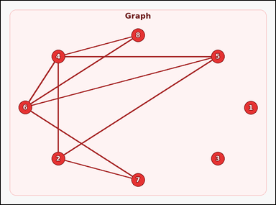 |  | task_graph_comparison_largest_component_size | largest_component_size | The image shows a labeled undirected graph. Task: How many nodes are in the largest connected component? Return a valid JSON object with keys "evidence" and "answer" in that order. Evidence: set "evidence" to an array containing the labels of all nodes in the unique largest connected component, sorted in ascending label order. Answer: set "answer" to the size of that connected component as an integer. Example JSON: {"evidence":["2","5","7","9"],"answer":4} | The image shows a labeled undirected graph. Task: How many nodes are in the largest connected component? Return a valid JSON object with key "answer". Answer field: set "answer" to the size of that connected component as an integer. Example JSON: {"answer":4} | {"evidence": ["2", "4", "5", "6", "7", "8"], "answer": 6} | ["2", "4", "5", "6", "7", "8"] | integer | label_set | 7.5981654413E+15 | graph/task_graph_comparison_largest_component_size/images/default/0009.png | graph/task_graph_comparison_largest_component_size/data/default/0009.json
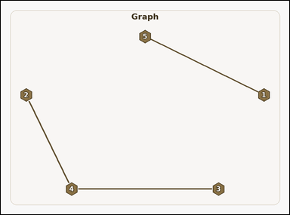 |  | task_graph_comparison_largest_component_size | largest_component_size | You are given an image with a labeled undirected graph. Task: How many nodes are in the largest connected component? Return a valid JSON object with keys "evidence" and "answer" in that order. Evidence rule: set "evidence" to an array containing the labels of all nodes in the unique largest connected component, sorted in ascending label order. Answer rule: set "answer" to the size of that connected component as an integer. Example JSON: {"evidence":["2","5","7","9"],"answer":4} | You are given an image with a labeled undirected graph. Task: How many nodes are in the largest connected component? Return a valid JSON object with key "answer". Answer: set "answer" to the size of that connected component as an integer. Example JSON: {"answer":4} | {"evidence": ["2", "3", "4"], "answer": 3} | ["2", "3", "4"] | integer | label_set | 7.6608503327E+15 | graph/task_graph_comparison_largest_component_size/images/default/0007.png | graph/task_graph_comparison_largest_component_size/data/default/0007.json
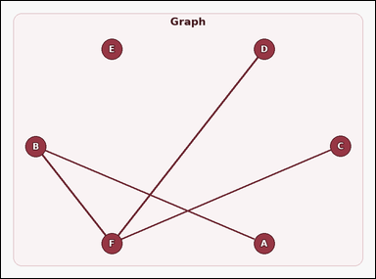 |  | task_graph_comparison_largest_component_size | largest_component_size | Use the image containing a labeled undirected graph. Answer this question: How many nodes are in the largest connected component? Return a valid JSON object with keys "evidence" and "answer" in that order. Evidence: set "evidence" to an array containing the labels of all nodes in the unique largest connected component, sorted in ascending label order. Answer: set "answer" to the size of that connected component as an integer. Example JSON: {"evidence":["B","D","H","J"],"answer":4} | Use the image containing a labeled undirected graph. Answer this question: How many nodes are in the largest connected component? Return a valid JSON object with key "answer". Answer requirement: set "answer" to the size of that connected component as an integer. Example JSON: {"answer":4} | {"evidence": ["A", "B", "C", "D", "F"], "answer": 5} | ["A", "B", "C", "D", "F"] | integer | label_set | 7.9989313734E+15 | graph/task_graph_comparison_largest_component_size/images/default/0012.png | graph/task_graph_comparison_largest_component_size/data/default/0012.json
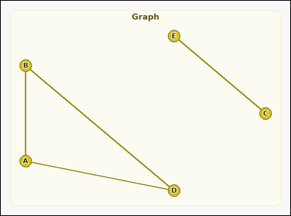 |  | task_graph_comparison_largest_component_size | largest_component_size | Look at the image with a labeled undirected graph. Determine the answer: How many nodes are in the largest connected component? Return a valid JSON object with keys "evidence" and "answer" in that order. Evidence format: set "evidence" to an array containing the labels of all nodes in the unique largest connected component, sorted in ascending label order. Answer requirement: set "answer" to the size of that connected component as an integer. Example JSON: {"evidence":["B","D","H","J"],"answer":4} | Look at the image with a labeled undirected graph. Determine the answer: How many nodes are in the largest connected component? Return a valid JSON object with key "answer". Answer format: set "answer" to the size of that connected component as an integer. Example JSON: {"answer":4} | {"evidence": ["A", "B", "D"], "answer": 3} | ["A", "B", "D"] | integer | label_set | 8.1464053027E+15 | graph/task_graph_comparison_largest_component_size/images/default/0018.png | graph/task_graph_comparison_largest_component_size/data/default/0018.json

