articulation_point_count
image | evidence_image | task | task_variant | prompt | prompt_answer_only | answer | answer_evidence | answer_type | evidence_type | instance_seed | image_path | data_path
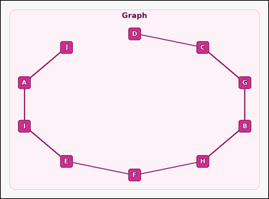 |  | task_graph_counting_articulation_point_count | articulation_point_count | Look at the image with a labeled undirected graph. Determine the answer: How many nodes are articulation points? Return a valid JSON object with keys "evidence" and "answer" in that order. Evidence: set "evidence" to an array containing the labels of all articulation-point nodes. Answer: set "answer" to the count of articulation-point nodes as an integer. Example JSON: {"evidence":["B","E","H"],"answer":3} | Look at the image with a labeled undirected graph. Determine the answer: How many nodes are articulation points? Return a valid JSON object with key "answer". Answer: set "answer" to the count of articulation-point nodes as an integer. Example JSON: {"answer":3} | {"evidence": ["A", "B", "C", "E", "F", "G", "H", "I"], "answer": 8} | ["A", "B", "C", "E", "F", "G", "H", "I"] | integer | label_set | 36315192718528 | graph/task_graph_counting_articulation_point_count/images/default/0008.png | graph/task_graph_counting_articulation_point_count/data/default/0008.json
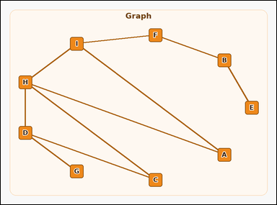 |  | task_graph_counting_articulation_point_count | articulation_point_count | The image shows a labeled undirected graph. How many nodes are articulation points? Return a valid JSON object with keys "evidence" and "answer" in that order. Evidence requirement: set "evidence" to an array containing the labels of all articulation-point nodes. Answer format: set "answer" to the count of articulation-point nodes as an integer. Example JSON: {"evidence":["B","E","H"],"answer":3} | The image shows a labeled undirected graph. How many nodes are articulation points? Return a valid JSON object with key "answer". Answer: set "answer" to the count of articulation-point nodes as an integer. Example JSON: {"answer":3} | {"evidence": ["B", "D", "F", "H", "I"], "answer": 5} | ["B", "D", "F", "H", "I"] | integer | label_set | 416989466331394 | graph/task_graph_counting_articulation_point_count/images/default/0004.png | graph/task_graph_counting_articulation_point_count/data/default/0004.json
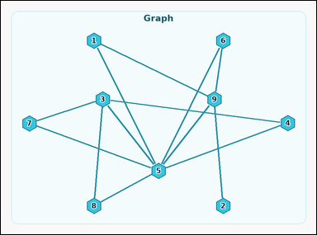 |  | task_graph_counting_articulation_point_count | articulation_point_count | You are given an image with a labeled undirected graph. Question: How many nodes are articulation points? Return a valid JSON object with keys "evidence" and "answer" in that order. Evidence rule: set "evidence" to an array containing the labels of all articulation-point nodes. Answer rule: set "answer" to the count of articulation-point nodes as an integer. Example JSON: {"evidence":["2","5","8"],"answer":3} | You are given an image with a labeled undirected graph. Question: How many nodes are articulation points? Return a valid JSON object with key "answer". Answer field: set "answer" to the count of articulation-point nodes as an integer. Example JSON: {"answer":3} | {"evidence": ["5", "9"], "answer": 2} | ["5", "9"] | integer | label_set | 521064253549143 | graph/task_graph_counting_articulation_point_count/images/default/0011.png | graph/task_graph_counting_articulation_point_count/data/default/0011.json
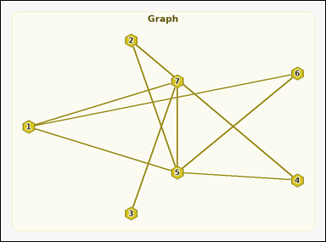 |  | task_graph_counting_articulation_point_count | articulation_point_count | Look at the image with a labeled undirected graph. Answer this question: How many nodes are articulation points? Return a valid JSON object with keys "evidence" and "answer" in that order. Evidence rule: set "evidence" to an array containing the labels of all articulation-point nodes. Answer rule: set "answer" to the count of articulation-point nodes as an integer. Example JSON: {"evidence":["2","5","8"],"answer":3} | Look at the image with a labeled undirected graph. Answer this question: How many nodes are articulation points? Return a valid JSON object with key "answer". Answer requirement: set "answer" to the count of articulation-point nodes as an integer. Example JSON: {"answer":3} | {"evidence": ["5", "7"], "answer": 2} | ["5", "7"] | integer | label_set | 634949575093305 | graph/task_graph_counting_articulation_point_count/images/default/0010.png | graph/task_graph_counting_articulation_point_count/data/default/0010.json
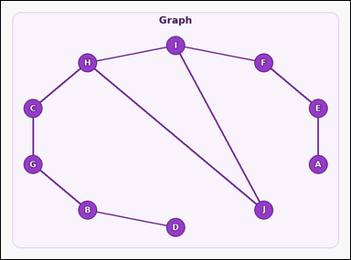 |  | task_graph_counting_articulation_point_count | articulation_point_count | Look at the image with a labeled undirected graph. Task: How many nodes are articulation points? Return a valid JSON object with keys "evidence" and "answer" in that order. Evidence requirement: set "evidence" to an array containing the labels of all articulation-point nodes. Answer format: set "answer" to the count of articulation-point nodes as an integer. Example JSON: {"evidence":["B","E","H"],"answer":3} | Look at the image with a labeled undirected graph. Task: How many nodes are articulation points? Return a valid JSON object with key "answer". Answer rule: set "answer" to the count of articulation-point nodes as an integer. Example JSON: {"answer":3} | {"evidence": ["B", "C", "E", "F", "G", "H", "I"], "answer": 7} | ["B", "C", "E", "F", "G", "H", "I"] | integer | label_set | 919221764326197 | graph/task_graph_counting_articulation_point_count/images/default/0000.png | graph/task_graph_counting_articulation_point_count/data/default/0000.json
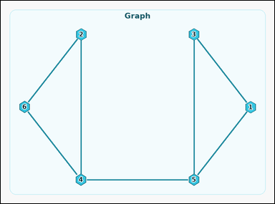 |  | task_graph_counting_articulation_point_count | articulation_point_count | Look at the image with a labeled undirected graph. Answer this question: How many nodes are articulation points? Return a valid JSON object with keys "evidence" and "answer" in that order. Evidence: set "evidence" to an array containing the labels of all articulation-point nodes. Answer: set "answer" to the count of articulation-point nodes as an integer. Example JSON: {"evidence":["2","5","8"],"answer":3} | Look at the image with a labeled undirected graph. Answer this question: How many nodes are articulation points? Return a valid JSON object with key "answer". Answer: set "answer" to the count of articulation-point nodes as an integer. Example JSON: {"answer":3} | {"evidence": ["4", "5"], "answer": 2} | ["4", "5"] | integer | label_set | 1.4868751289E+15 | graph/task_graph_counting_articulation_point_count/images/default/0003.png | graph/task_graph_counting_articulation_point_count/data/default/0003.json
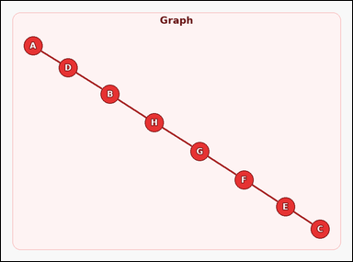 |  | task_graph_counting_articulation_point_count | articulation_point_count | Use the image containing a labeled undirected graph. How many nodes are articulation points? Return a valid JSON object with keys "evidence" and "answer" in that order. Evidence rule: set "evidence" to an array containing the labels of all articulation-point nodes. Answer rule: set "answer" to the count of articulation-point nodes as an integer. Example JSON: {"evidence":["B","E","H"],"answer":3} | Use the image containing a labeled undirected graph. How many nodes are articulation points? Return a valid JSON object with key "answer". Answer requirement: set "answer" to the count of articulation-point nodes as an integer. Example JSON: {"answer":3} | {"evidence": ["B", "D", "E", "F", "G", "H"], "answer": 6} | ["B", "D", "E", "F", "G", "H"] | integer | label_set | 1.6732542228E+15 | graph/task_graph_counting_articulation_point_count/images/default/0017.png | graph/task_graph_counting_articulation_point_count/data/default/0017.json
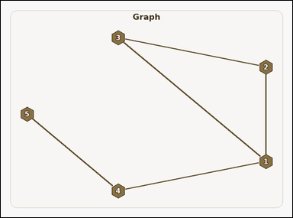 |  | task_graph_counting_articulation_point_count | articulation_point_count | Work from the image with a labeled undirected graph. Question: How many nodes are articulation points? Return a valid JSON object with keys "evidence" and "answer" in that order. Evidence format: set "evidence" to an array containing the labels of all articulation-point nodes. Answer requirement: set "answer" to the count of articulation-point nodes as an integer. Example JSON: {"evidence":["2","5","8"],"answer":3} | Work from the image with a labeled undirected graph. Question: How many nodes are articulation points? Return a valid JSON object with key "answer". Answer: set "answer" to the count of articulation-point nodes as an integer. Example JSON: {"answer":3} | {"evidence": ["1", "4"], "answer": 2} | ["1", "4"] | integer | label_set | 2.1015618382E+15 | graph/task_graph_counting_articulation_point_count/images/default/0013.png | graph/task_graph_counting_articulation_point_count/data/default/0013.json
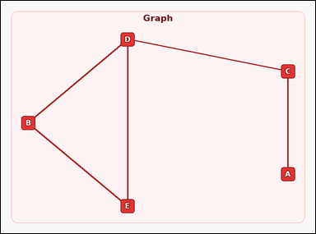 |  | task_graph_counting_articulation_point_count | articulation_point_count | Look at the image with a labeled undirected graph. Task: How many nodes are articulation points? Return a valid JSON object with keys "evidence" and "answer" in that order. Evidence: set "evidence" to an array containing the labels of all articulation-point nodes. Answer: set "answer" to the count of articulation-point nodes as an integer. Example JSON: {"evidence":["B","E","H"],"answer":3} | Look at the image with a labeled undirected graph. Task: How many nodes are articulation points? Return a valid JSON object with key "answer". Answer: set "answer" to the count of articulation-point nodes as an integer. Example JSON: {"answer":3} | {"evidence": ["C", "D"], "answer": 2} | ["C", "D"] | integer | label_set | 2.5965622822E+15 | graph/task_graph_counting_articulation_point_count/images/default/0024.png | graph/task_graph_counting_articulation_point_count/data/default/0024.json
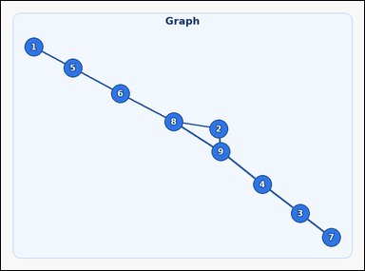 |  | task_graph_counting_articulation_point_count | articulation_point_count | Use the image containing a labeled undirected graph. Determine the answer: How many nodes are articulation points? Return a valid JSON object with keys "evidence" and "answer" in that order. Evidence requirement: set "evidence" to an array containing the labels of all articulation-point nodes. Answer format: set "answer" to the count of articulation-point nodes as an integer. Example JSON: {"evidence":["2","5","8"],"answer":3} | Use the image containing a labeled undirected graph. Determine the answer: How many nodes are articulation points? Return a valid JSON object with key "answer". Answer field: set "answer" to the count of articulation-point nodes as an integer. Example JSON: {"answer":3} | {"evidence": ["3", "4", "5", "6", "8", "9"], "answer": 6} | ["3", "4", "5", "6", "8", "9"] | integer | label_set | 2.606121805E+15 | graph/task_graph_counting_articulation_point_count/images/default/0001.png | graph/task_graph_counting_articulation_point_count/data/default/0001.json
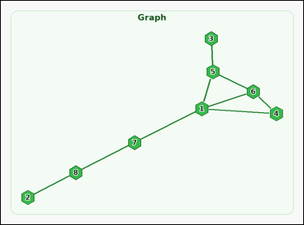 |  | task_graph_counting_articulation_point_count | articulation_point_count | You are given an image with a labeled undirected graph. Question: How many nodes are articulation points? Return a valid JSON object with keys "evidence" and "answer" in that order. Evidence requirement: set "evidence" to an array containing the labels of all articulation-point nodes. Answer format: set "answer" to the count of articulation-point nodes as an integer. Example JSON: {"evidence":["2","5","8"],"answer":3} | You are given an image with a labeled undirected graph. Question: How many nodes are articulation points? Return a valid JSON object with key "answer". Answer: set "answer" to the count of articulation-point nodes as an integer. Example JSON: {"answer":3} | {"evidence": ["1", "5", "7", "8"], "answer": 4} | ["1", "5", "7", "8"] | integer | label_set | 3.1494229187E+15 | graph/task_graph_counting_articulation_point_count/images/default/0014.png | graph/task_graph_counting_articulation_point_count/data/default/0014.json
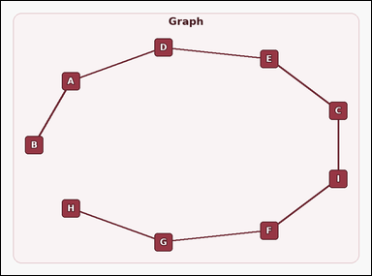 |  | task_graph_counting_articulation_point_count | articulation_point_count | You are given an image with a labeled undirected graph. Task: How many nodes are articulation points? Return a valid JSON object with keys "evidence" and "answer" in that order. Evidence rule: set "evidence" to an array containing the labels of all articulation-point nodes. Answer rule: set "answer" to the count of articulation-point nodes as an integer. Example JSON: {"evidence":["B","E","H"],"answer":3} | You are given an image with a labeled undirected graph. Task: How many nodes are articulation points? Return a valid JSON object with key "answer". Answer: set "answer" to the count of articulation-point nodes as an integer. Example JSON: {"answer":3} | {"evidence": ["A", "C", "D", "E", "F", "G", "I"], "answer": 7} | ["A", "C", "D", "E", "F", "G", "I"] | integer | label_set | 3.2628318202E+15 | graph/task_graph_counting_articulation_point_count/images/default/0023.png | graph/task_graph_counting_articulation_point_count/data/default/0023.json
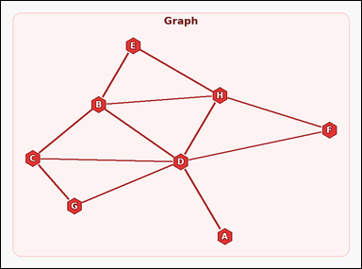 |  | task_graph_counting_articulation_point_count | articulation_point_count | Use the image containing a labeled undirected graph. How many nodes are articulation points? Return a valid JSON object with keys "evidence" and "answer" in that order. Evidence: set "evidence" to an array containing the labels of all articulation-point nodes. Answer: set "answer" to the count of articulation-point nodes as an integer. Example JSON: {"evidence":["B","E","H"],"answer":3} | Use the image containing a labeled undirected graph. How many nodes are articulation points? Return a valid JSON object with key "answer". Answer format: set "answer" to the count of articulation-point nodes as an integer. Example JSON: {"answer":3} | {"evidence": ["D"], "answer": 1} | ["D"] | integer | label_set | 3.4787883294E+15 | graph/task_graph_counting_articulation_point_count/images/default/0022.png | graph/task_graph_counting_articulation_point_count/data/default/0022.json
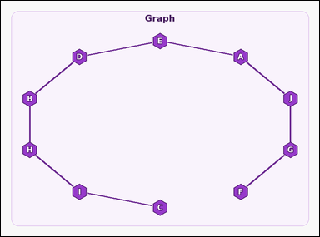 |  | task_graph_counting_articulation_point_count | articulation_point_count | You are given an image with a labeled undirected graph. Answer this question: How many nodes are articulation points? Return a valid JSON object with keys "evidence" and "answer" in that order. Evidence field: set "evidence" to an array containing the labels of all articulation-point nodes. Answer field: set "answer" to the count of articulation-point nodes as an integer. Example JSON: {"evidence":["B","E","H"],"answer":3} | You are given an image with a labeled undirected graph. Answer this question: How many nodes are articulation points? Return a valid JSON object with key "answer". Answer: set "answer" to the count of articulation-point nodes as an integer. Example JSON: {"answer":3} | {"evidence": ["A", "B", "D", "E", "G", "H", "I", "J"], "answer": 8} | ["A", "B", "D", "E", "G", "H", "I", "J"] | integer | label_set | 3.6928636501E+15 | graph/task_graph_counting_articulation_point_count/images/default/0021.png | graph/task_graph_counting_articulation_point_count/data/default/0021.json
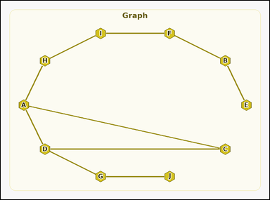 |  | task_graph_counting_articulation_point_count | articulation_point_count | Look at the image with a labeled undirected graph. Question: How many nodes are articulation points? Return a valid JSON object with keys "evidence" and "answer" in that order. Evidence requirement: set "evidence" to an array containing the labels of all articulation-point nodes. Answer format: set "answer" to the count of articulation-point nodes as an integer. Example JSON: {"evidence":["B","E","H"],"answer":3} | Look at the image with a labeled undirected graph. Question: How many nodes are articulation points? Return a valid JSON object with key "answer". Answer rule: set "answer" to the count of articulation-point nodes as an integer. Example JSON: {"answer":3} | {"evidence": ["A", "B", "D", "F", "G", "H", "I"], "answer": 7} | ["A", "B", "D", "F", "G", "H", "I"] | integer | label_set | 4.6227483654E+15 | graph/task_graph_counting_articulation_point_count/images/default/0005.png | graph/task_graph_counting_articulation_point_count/data/default/0005.json
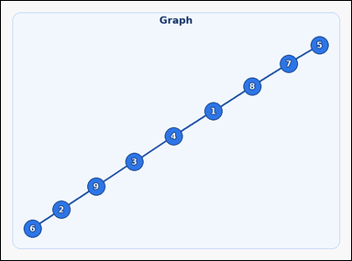 |  | task_graph_counting_articulation_point_count | articulation_point_count | Look at the image with a labeled undirected graph. How many nodes are articulation points? Return a valid JSON object with keys "evidence" and "answer" in that order. Evidence: set "evidence" to an array containing the labels of all articulation-point nodes. Answer: set "answer" to the count of articulation-point nodes as an integer. Example JSON: {"evidence":["2","5","8"],"answer":3} | Look at the image with a labeled undirected graph. How many nodes are articulation points? Return a valid JSON object with key "answer". Answer format: set "answer" to the count of articulation-point nodes as an integer. Example JSON: {"answer":3} | {"evidence": ["1", "2", "3", "4", "7", "8", "9"], "answer": 7} | ["1", "2", "3", "4", "7", "8", "9"] | integer | label_set | 4.7441054831E+15 | graph/task_graph_counting_articulation_point_count/images/default/0015.png | graph/task_graph_counting_articulation_point_count/data/default/0015.json
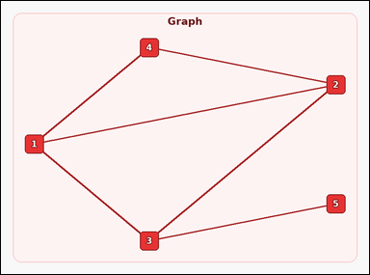 |  | task_graph_counting_articulation_point_count | articulation_point_count | Work from the image with a labeled undirected graph. Question: How many nodes are articulation points? Return a valid JSON object with keys "evidence" and "answer" in that order. Evidence rule: set "evidence" to an array containing the labels of all articulation-point nodes. Answer rule: set "answer" to the count of articulation-point nodes as an integer. Example JSON: {"evidence":["2","5","8"],"answer":3} | Work from the image with a labeled undirected graph. Question: How many nodes are articulation points? Return a valid JSON object with key "answer". Answer format: set "answer" to the count of articulation-point nodes as an integer. Example JSON: {"answer":3} | {"evidence": ["3"], "answer": 1} | ["3"] | integer | label_set | 4.8946318691E+15 | graph/task_graph_counting_articulation_point_count/images/default/0012.png | graph/task_graph_counting_articulation_point_count/data/default/0012.json
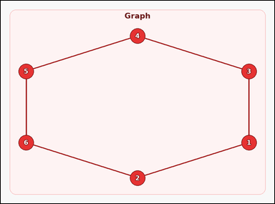 |  | task_graph_counting_articulation_point_count | articulation_point_count | The image shows a labeled undirected graph. Question: How many nodes are articulation points? Return a valid JSON object with keys "evidence" and "answer" in that order. Evidence requirement: set "evidence" to an array containing the labels of all articulation-point nodes. Answer format: set "answer" to the count of articulation-point nodes as an integer. Example JSON: {"evidence":["2","5","8"],"answer":3} | The image shows a labeled undirected graph. Question: How many nodes are articulation points? Return a valid JSON object with key "answer". Answer field: set "answer" to the count of articulation-point nodes as an integer. Example JSON: {"answer":3} | {"evidence": [], "answer": 0} | [] | integer | label_set | 5.4199650276E+15 | graph/task_graph_counting_articulation_point_count/images/default/0019.png | graph/task_graph_counting_articulation_point_count/data/default/0019.json
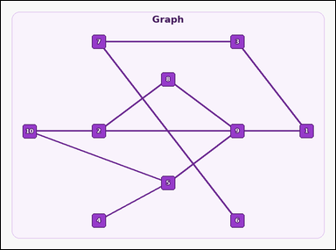 |  | task_graph_counting_articulation_point_count | articulation_point_count | Work from the image with a labeled undirected graph. Question: How many nodes are articulation points? Return a valid JSON object with keys "evidence" and "answer" in that order. Evidence field: set "evidence" to an array containing the labels of all articulation-point nodes. Answer field: set "answer" to the count of articulation-point nodes as an integer. Example JSON: {"evidence":["2","5","8"],"answer":3} | Work from the image with a labeled undirected graph. Question: How many nodes are articulation points? Return a valid JSON object with key "answer". Answer rule: set "answer" to the count of articulation-point nodes as an integer. Example JSON: {"answer":3} | {"evidence": ["1", "2", "3", "5", "7", "8", "9"], "answer": 7} | ["1", "2", "3", "5", "7", "8", "9"] | integer | label_set | 6.4683248914E+15 | graph/task_graph_counting_articulation_point_count/images/default/0002.png | graph/task_graph_counting_articulation_point_count/data/default/0002.json
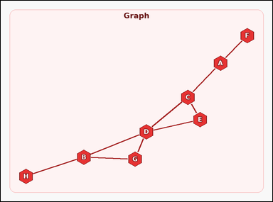 |  | task_graph_counting_articulation_point_count | articulation_point_count | The image shows a labeled undirected graph. How many nodes are articulation points? Return a valid JSON object with keys "evidence" and "answer" in that order. Evidence format: set "evidence" to an array containing the labels of all articulation-point nodes. Answer requirement: set "answer" to the count of articulation-point nodes as an integer. Example JSON: {"evidence":["B","E","H"],"answer":3} | The image shows a labeled undirected graph. How many nodes are articulation points? Return a valid JSON object with key "answer". Answer format: set "answer" to the count of articulation-point nodes as an integer. Example JSON: {"answer":3} | {"evidence": ["A", "B", "C", "D"], "answer": 4} | ["A", "B", "C", "D"] | integer | label_set | 6.4775653156E+15 | graph/task_graph_counting_articulation_point_count/images/default/0007.png | graph/task_graph_counting_articulation_point_count/data/default/0007.json
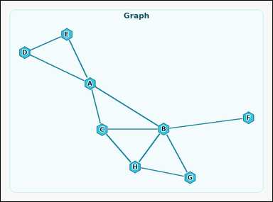 |  | task_graph_counting_articulation_point_count | articulation_point_count | The image shows a labeled undirected graph. Answer this question: How many nodes are articulation points? Return a valid JSON object with keys "evidence" and "answer" in that order. Evidence format: set "evidence" to an array containing the labels of all articulation-point nodes. Answer requirement: set "answer" to the count of articulation-point nodes as an integer. Example JSON: {"evidence":["B","E","H"],"answer":3} | The image shows a labeled undirected graph. Answer this question: How many nodes are articulation points? Return a valid JSON object with key "answer". Answer format: set "answer" to the count of articulation-point nodes as an integer. Example JSON: {"answer":3} | {"evidence": ["A", "B"], "answer": 2} | ["A", "B"] | integer | label_set | 7.0653231839E+15 | graph/task_graph_counting_articulation_point_count/images/default/0006.png | graph/task_graph_counting_articulation_point_count/data/default/0006.json
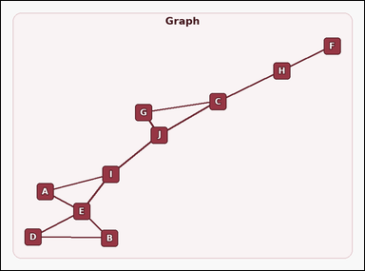 |  | task_graph_counting_articulation_point_count | articulation_point_count | Use the image containing a labeled undirected graph. How many nodes are articulation points? Return a valid JSON object with keys "evidence" and "answer" in that order. Evidence format: set "evidence" to an array containing the labels of all articulation-point nodes. Answer requirement: set "answer" to the count of articulation-point nodes as an integer. Example JSON: {"evidence":["B","E","H"],"answer":3} | Use the image containing a labeled undirected graph. How many nodes are articulation points? Return a valid JSON object with key "answer". Answer rule: set "answer" to the count of articulation-point nodes as an integer. Example JSON: {"answer":3} | {"evidence": ["C", "E", "H", "I", "J"], "answer": 5} | ["C", "E", "H", "I", "J"] | integer | label_set | 7.46971017E+15 | graph/task_graph_counting_articulation_point_count/images/default/0016.png | graph/task_graph_counting_articulation_point_count/data/default/0016.json
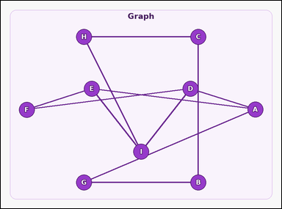 |  | task_graph_counting_articulation_point_count | articulation_point_count | Look at the image with a labeled undirected graph. Question: How many nodes are articulation points? Return a valid JSON object with keys "evidence" and "answer" in that order. Evidence requirement: set "evidence" to an array containing the labels of all articulation-point nodes. Answer format: set "answer" to the count of articulation-point nodes as an integer. Example JSON: {"evidence":["B","E","H"],"answer":3} | Look at the image with a labeled undirected graph. Question: How many nodes are articulation points? Return a valid JSON object with key "answer". Answer format: set "answer" to the count of articulation-point nodes as an integer. Example JSON: {"answer":3} | {"evidence": [], "answer": 0} | [] | integer | label_set | 7.6544451145E+15 | graph/task_graph_counting_articulation_point_count/images/default/0020.png | graph/task_graph_counting_articulation_point_count/data/default/0020.json
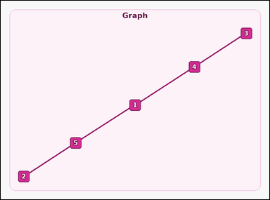 |  | task_graph_counting_articulation_point_count | articulation_point_count | The image shows a labeled undirected graph. Answer this question: How many nodes are articulation points? Return a valid JSON object with keys "evidence" and "answer" in that order. Evidence: set "evidence" to an array containing the labels of all articulation-point nodes. Answer: set "answer" to the count of articulation-point nodes as an integer. Example JSON: {"evidence":["2","5","8"],"answer":3} | The image shows a labeled undirected graph. Answer this question: How many nodes are articulation points? Return a valid JSON object with key "answer". Answer: set "answer" to the count of articulation-point nodes as an integer. Example JSON: {"answer":3} | {"evidence": ["1", "4", "5"], "answer": 3} | ["1", "4", "5"] | integer | label_set | 7.7517066984E+15 | graph/task_graph_counting_articulation_point_count/images/default/0018.png | graph/task_graph_counting_articulation_point_count/data/default/0018.json
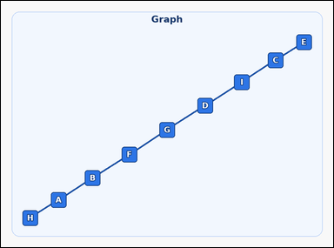 |  | task_graph_counting_articulation_point_count | articulation_point_count | Look at the image with a labeled undirected graph. Determine the answer: How many nodes are articulation points? Return a valid JSON object with keys "evidence" and "answer" in that order. Evidence requirement: set "evidence" to an array containing the labels of all articulation-point nodes. Answer format: set "answer" to the count of articulation-point nodes as an integer. Example JSON: {"evidence":["B","E","H"],"answer":3} | Look at the image with a labeled undirected graph. Determine the answer: How many nodes are articulation points? Return a valid JSON object with key "answer". Answer: set "answer" to the count of articulation-point nodes as an integer. Example JSON: {"answer":3} | {"evidence": ["A", "B", "C", "D", "F", "G", "I"], "answer": 7} | ["A", "B", "C", "D", "F", "G", "I"] | integer | label_set | 8.8180879578E+15 | graph/task_graph_counting_articulation_point_count/images/default/0009.png | graph/task_graph_counting_articulation_point_count/data/default/0009.json

