degree_count
image | evidence_image | task | task_variant | prompt | prompt_answer_only | answer | answer_evidence | answer_type | evidence_type | instance_seed | image_path | data_path
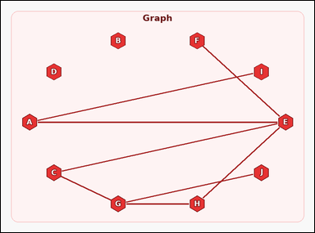 |  | task_graph_counting_degree_count | degree_count | Look at the image with a labeled undirected graph. Question: How many nodes have degree 1? Return a valid JSON object with keys "evidence" and "answer" in that order. Evidence field: set "evidence" to an array containing the labels of all nodes whose asked degree equals the queried value, sorted in ascending label order. Answer field: set "answer" to the count of matching nodes as an integer. Example JSON: {"evidence":["B","F"],"answer":2} | Look at the image with a labeled undirected graph. Question: How many nodes have degree 1? Return a valid JSON object with key "answer". Answer field: set "answer" to the count of matching nodes as an integer. Example JSON: {"answer":2} | {"evidence": ["F", "I", "J"], "answer": 3} | ["F", "I", "J"] | integer | label_set | 2.5486152451E+15 | graph/task_graph_counting_degree_count/images/degree_count/0003.png | graph/task_graph_counting_degree_count/data/degree_count/0003.json
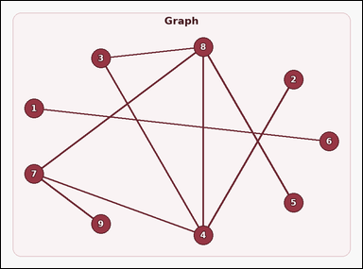 |  | task_graph_counting_degree_count | degree_count | Look at the image with a labeled undirected graph. Determine the answer: How many nodes have degree 1? Return a valid JSON object with keys "evidence" and "answer" in that order. Evidence rule: set "evidence" to an array containing the labels of all nodes whose asked degree equals the queried value, sorted in ascending label order. Answer rule: set "answer" to the count of matching nodes as an integer. Example JSON: {"evidence":["B","F"],"answer":2} | Look at the image with a labeled undirected graph. Determine the answer: How many nodes have degree 1? Return a valid JSON object with key "answer". Answer requirement: set "answer" to the count of matching nodes as an integer. Example JSON: {"answer":2} | {"evidence": ["1", "2", "5", "6", "9"], "answer": 5} | ["1", "2", "5", "6", "9"] | integer | label_set | 4.0996193679E+15 | graph/task_graph_counting_degree_count/images/degree_count/0001.png | graph/task_graph_counting_degree_count/data/degree_count/0001.json
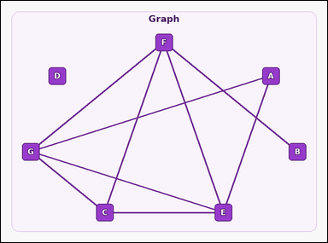 |  | task_graph_counting_degree_count | degree_count | Work from the image with a labeled undirected graph. How many nodes have degree 4? Return a valid JSON object with keys "evidence" and "answer" in that order. Evidence requirement: set "evidence" to an array containing the labels of all nodes whose asked degree equals the queried value, sorted in ascending label order. Answer format: set "answer" to the count of matching nodes as an integer. Example JSON: {"evidence":["B","F"],"answer":2} | Work from the image with a labeled undirected graph. How many nodes have degree 4? Return a valid JSON object with key "answer". Answer format: set "answer" to the count of matching nodes as an integer. Example JSON: {"answer":2} | {"evidence": ["E", "F", "G"], "answer": 3} | ["E", "F", "G"] | integer | label_set | 4.1036096222E+15 | graph/task_graph_counting_degree_count/images/degree_count/0004.png | graph/task_graph_counting_degree_count/data/degree_count/0004.json
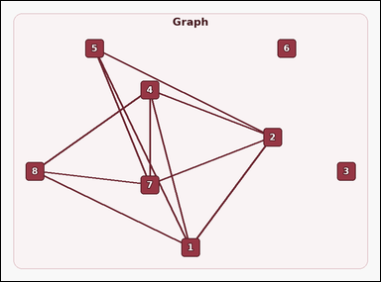 |  | task_graph_counting_degree_count | degree_count | Use the image containing a labeled undirected graph. Task: How many nodes have degree 4? Return a valid JSON object with keys "evidence" and "answer" in that order. Evidence format: set "evidence" to an array containing the labels of all nodes whose asked degree equals the queried value, sorted in ascending label order. Answer requirement: set "answer" to the count of matching nodes as an integer. Example JSON: {"evidence":["B","F"],"answer":2} | Use the image containing a labeled undirected graph. Task: How many nodes have degree 4? Return a valid JSON object with key "answer". Answer rule: set "answer" to the count of matching nodes as an integer. Example JSON: {"answer":2} | {"evidence": ["1", "2", "4", "7"], "answer": 4} | ["1", "2", "4", "7"] | integer | label_set | 5.8956314385E+15 | graph/task_graph_counting_degree_count/images/degree_count/0000.png | graph/task_graph_counting_degree_count/data/degree_count/0000.json
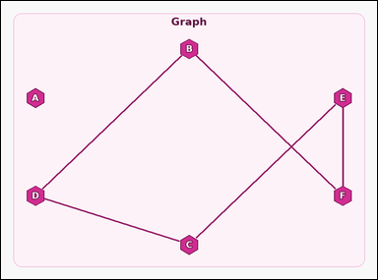 |  | task_graph_counting_degree_count | degree_count | You are given an image with a labeled undirected graph. Determine the answer: How many nodes have degree 2? Return a valid JSON object with keys "evidence" and "answer" in that order. Evidence field: set "evidence" to an array containing the labels of all nodes whose asked degree equals the queried value, sorted in ascending label order. Answer field: set "answer" to the count of matching nodes as an integer. Example JSON: {"evidence":["B","F"],"answer":2} | You are given an image with a labeled undirected graph. Determine the answer: How many nodes have degree 2? Return a valid JSON object with key "answer". Answer requirement: set "answer" to the count of matching nodes as an integer. Example JSON: {"answer":2} | {"evidence": ["B", "C", "D", "E", "F"], "answer": 5} | ["B", "C", "D", "E", "F"] | integer | label_set | 8.2337879904E+15 | graph/task_graph_counting_degree_count/images/degree_count/0002.png | graph/task_graph_counting_degree_count/data/degree_count/0002.json

in_degree_count
image | evidence_image | task | task_variant | prompt | prompt_answer_only | answer | answer_evidence | answer_type | evidence_type | instance_seed | image_path | data_path
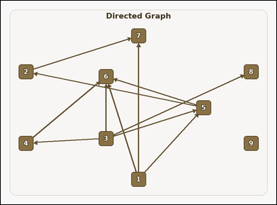 |  | task_graph_counting_degree_count | in_degree_count | Work from the image with a labeled directed graph. Answer this question: How many nodes have in-degree 2? Return a valid JSON object with keys "evidence" and "answer" in that order. Evidence format: set "evidence" to an array containing the labels of all nodes whose asked degree equals the queried value, sorted in ascending label order. Answer requirement: set "answer" to the count of matching nodes as an integer. Example JSON: {"evidence":["B","F"],"answer":2} | Work from the image with a labeled directed graph. Answer this question: How many nodes have in-degree 2? Return a valid JSON object with key "answer". Answer format: set "answer" to the count of matching nodes as an integer. Example JSON: {"answer":2} | {"evidence": ["5", "7"], "answer": 2} | ["5", "7"] | integer | label_set | 271426421895726 | graph/task_graph_counting_degree_count/images/in_degree_count/0000.png | graph/task_graph_counting_degree_count/data/in_degree_count/0000.json
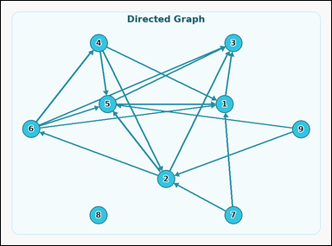 |  | task_graph_counting_degree_count | in_degree_count | The image shows a labeled directed graph. Answer this question: How many nodes have in-degree 4? Return a valid JSON object with keys "evidence" and "answer" in that order. Evidence: set "evidence" to an array containing the labels of all nodes whose asked degree equals the queried value, sorted in ascending label order. Answer: set "answer" to the count of matching nodes as an integer. Example JSON: {"evidence":["B","F"],"answer":2} | The image shows a labeled directed graph. Answer this question: How many nodes have in-degree 4? Return a valid JSON object with key "answer". Answer rule: set "answer" to the count of matching nodes as an integer. Example JSON: {"answer":2} | {"evidence": ["1", "3", "5"], "answer": 3} | ["1", "3", "5"] | integer | label_set | 1.4105709325E+15 | graph/task_graph_counting_degree_count/images/in_degree_count/0004.png | graph/task_graph_counting_degree_count/data/in_degree_count/0004.json
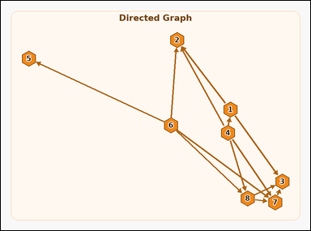 |  | task_graph_counting_degree_count | in_degree_count | You are given an image with a labeled directed graph. Question: How many nodes have in-degree 3? Return a valid JSON object with keys "evidence" and "answer" in that order. Evidence field: set "evidence" to an array containing the labels of all nodes whose asked degree equals the queried value, sorted in ascending label order. Answer field: set "answer" to the count of matching nodes as an integer. Example JSON: {"evidence":["B","F"],"answer":2} | You are given an image with a labeled directed graph. Question: How many nodes have in-degree 3? Return a valid JSON object with key "answer". Answer format: set "answer" to the count of matching nodes as an integer. Example JSON: {"answer":2} | {"evidence": ["2", "3", "7"], "answer": 3} | ["2", "3", "7"] | integer | label_set | 2.5514784914E+15 | graph/task_graph_counting_degree_count/images/in_degree_count/0002.png | graph/task_graph_counting_degree_count/data/in_degree_count/0002.json
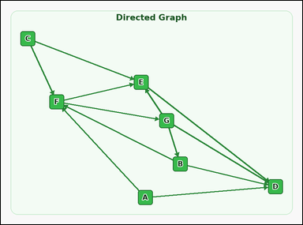 |  | task_graph_counting_degree_count | in_degree_count | Look at the image with a labeled directed graph. Answer this question: How many nodes have in-degree 2? Return a valid JSON object with keys "evidence" and "answer" in that order. Evidence: set "evidence" to an array containing the labels of all nodes whose asked degree equals the queried value, sorted in ascending label order. Answer: set "answer" to the count of matching nodes as an integer. Example JSON: {"evidence":["B","F"],"answer":2} | Look at the image with a labeled directed graph. Answer this question: How many nodes have in-degree 2? Return a valid JSON object with key "answer". Answer format: set "answer" to the count of matching nodes as an integer. Example JSON: {"answer":2} | {"evidence": [], "answer": 0} | [] | integer | label_set | 4.8504068084E+15 | graph/task_graph_counting_degree_count/images/in_degree_count/0001.png | graph/task_graph_counting_degree_count/data/in_degree_count/0001.json
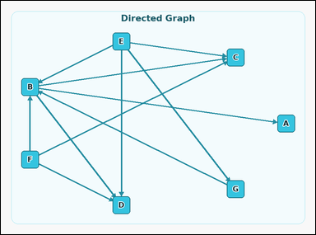 |  | task_graph_counting_degree_count | in_degree_count | Look at the image with a labeled directed graph. Determine the answer: How many nodes have in-degree 3? Return a valid JSON object with keys "evidence" and "answer" in that order. Evidence field: set "evidence" to an array containing the labels of all nodes whose asked degree equals the queried value, sorted in ascending label order. Answer field: set "answer" to the count of matching nodes as an integer. Example JSON: {"evidence":["B","F"],"answer":2} | Look at the image with a labeled directed graph. Determine the answer: How many nodes have in-degree 3? Return a valid JSON object with key "answer". Answer requirement: set "answer" to the count of matching nodes as an integer. Example JSON: {"answer":2} | {"evidence": ["B", "C", "D"], "answer": 3} | ["B", "C", "D"] | integer | label_set | 6.0074588283E+15 | graph/task_graph_counting_degree_count/images/in_degree_count/0003.png | graph/task_graph_counting_degree_count/data/in_degree_count/0003.json

out_degree_count
image | evidence_image | task | task_variant | prompt | prompt_answer_only | answer | answer_evidence | answer_type | evidence_type | instance_seed | image_path | data_path
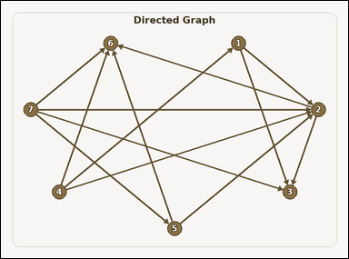 |  | task_graph_counting_degree_count | out_degree_count | The image shows a labeled directed graph. Task: How many nodes have out-degree 4? Return a valid JSON object with keys "evidence" and "answer" in that order. Evidence requirement: set "evidence" to an array containing the labels of all nodes whose asked degree equals the queried value, sorted in ascending label order. Answer format: set "answer" to the count of matching nodes as an integer. Example JSON: {"evidence":["B","F"],"answer":2} | The image shows a labeled directed graph. Task: How many nodes have out-degree 4? Return a valid JSON object with key "answer". Answer field: set "answer" to the count of matching nodes as an integer. Example JSON: {"answer":2} | {"evidence": ["7"], "answer": 1} | ["7"] | integer | label_set | 7.1003395598E+15 | graph/task_graph_counting_degree_count/images/out_degree_count/0001.png | graph/task_graph_counting_degree_count/data/out_degree_count/0001.json
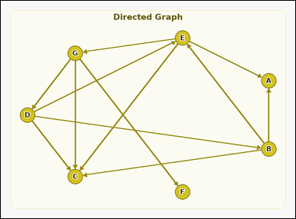 |  | task_graph_counting_degree_count | out_degree_count | Look at the image with a labeled directed graph. How many nodes have out-degree 3? Return a valid JSON object with keys "evidence" and "answer" in that order. Evidence field: set "evidence" to an array containing the labels of all nodes whose asked degree equals the queried value, sorted in ascending label order. Answer field: set "answer" to the count of matching nodes as an integer. Example JSON: {"evidence":["B","F"],"answer":2} | Look at the image with a labeled directed graph. How many nodes have out-degree 3? Return a valid JSON object with key "answer". Answer format: set "answer" to the count of matching nodes as an integer. Example JSON: {"answer":2} | {"evidence": ["B", "D", "E", "G"], "answer": 4} | ["B", "D", "E", "G"] | integer | label_set | 7.161451624E+15 | graph/task_graph_counting_degree_count/images/out_degree_count/0003.png | graph/task_graph_counting_degree_count/data/out_degree_count/0003.json
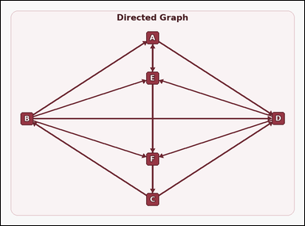 |  | task_graph_counting_degree_count | out_degree_count | You are given an image with a labeled directed graph. Determine the answer: How many nodes have out-degree 2? Return a valid JSON object with keys "evidence" and "answer" in that order. Evidence field: set "evidence" to an array containing the labels of all nodes whose asked degree equals the queried value, sorted in ascending label order. Answer field: set "answer" to the count of matching nodes as an integer. Example JSON: {"evidence":["B","F"],"answer":2} | You are given an image with a labeled directed graph. Determine the answer: How many nodes have out-degree 2? Return a valid JSON object with key "answer". Answer format: set "answer" to the count of matching nodes as an integer. Example JSON: {"answer":2} | {"evidence": ["A", "D", "E", "F"], "answer": 4} | ["A", "D", "E", "F"] | integer | label_set | 7.896709023E+15 | graph/task_graph_counting_degree_count/images/out_degree_count/0002.png | graph/task_graph_counting_degree_count/data/out_degree_count/0002.json
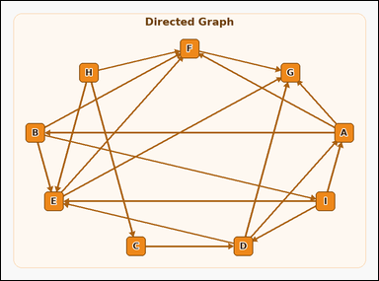 |  | task_graph_counting_degree_count | out_degree_count | The image shows a labeled directed graph. Determine the answer: How many nodes have out-degree 3? Return a valid JSON object with keys "evidence" and "answer" in that order. Evidence: set "evidence" to an array containing the labels of all nodes whose asked degree equals the queried value, sorted in ascending label order. Answer: set "answer" to the count of matching nodes as an integer. Example JSON: {"evidence":["B","F"],"answer":2} | The image shows a labeled directed graph. Determine the answer: How many nodes have out-degree 3? Return a valid JSON object with key "answer". Answer requirement: set "answer" to the count of matching nodes as an integer. Example JSON: {"answer":2} | {"evidence": ["A", "B", "D", "H", "I"], "answer": 5} | ["A", "B", "D", "H", "I"] | integer | label_set | 8.2998279967E+15 | graph/task_graph_counting_degree_count/images/out_degree_count/0000.png | graph/task_graph_counting_degree_count/data/out_degree_count/0000.json
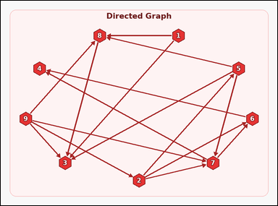 |  | task_graph_counting_degree_count | out_degree_count | The image shows a labeled directed graph. Task: How many nodes have out-degree 2? Return a valid JSON object with keys "evidence" and "answer" in that order. Evidence format: set "evidence" to an array containing the labels of all nodes whose asked degree equals the queried value, sorted in ascending label order. Answer requirement: set "answer" to the count of matching nodes as an integer. Example JSON: {"evidence":["B","F"],"answer":2} | The image shows a labeled directed graph. Task: How many nodes have out-degree 2? Return a valid JSON object with key "answer". Answer rule: set "answer" to the count of matching nodes as an integer. Example JSON: {"answer":2} | {"evidence": ["1", "7"], "answer": 2} | ["1", "7"] | integer | label_set | 8.8629569971E+15 | graph/task_graph_counting_degree_count/images/out_degree_count/0004.png | graph/task_graph_counting_degree_count/data/out_degree_count/0004.json

