directed_shortest_path_length
image | evidence_image | task | task_variant | prompt | prompt_answer_only | answer | answer_evidence | answer_type | evidence_type | instance_seed | image_path | data_path
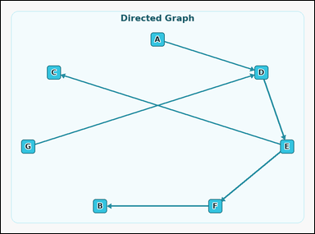 | 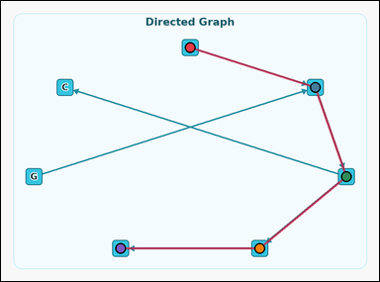 | task_graph_path_shortest_path_length | directed_shortest_path_length | You are given an image with a labeled directed graph. Question: The directed graph has a unique shortest path from node A to node B, following the direction of the arrows. How many edges are in that path? Return a valid JSON object with keys "evidence" and "answer" in that order. Evidence: set "evidence" to an array of the node labels along that unique shortest path in order from node A to node B, including both endpoints. Answer: set "answer" to the number of edges in that path as an integer. Example JSON: {"evidence":["B","D","H"],"answer":2} | You are given an image with a labeled directed graph. Question: The directed graph has a unique shortest path from node A to node B, following the direction of the arrows. How many edges are in that path? Return a valid JSON object with key "answer". Answer requirement: set "answer" to the number of edges in that path as an integer. Example JSON: {"answer":2} | {"evidence": ["A", "D", "E", "F", "B"], "answer": 4} | ["A", "D", "E", "F", "B"] | integer | label_path | 34356124649959 | graph/task_graph_path_shortest_path_length/images/directed_shortest_path_length/0021.png | graph/task_graph_path_shortest_path_length/data/directed_shortest_path_length/0021.json
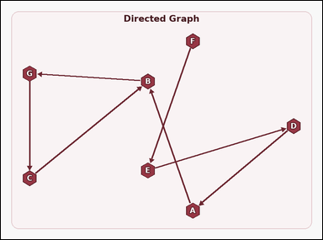 | 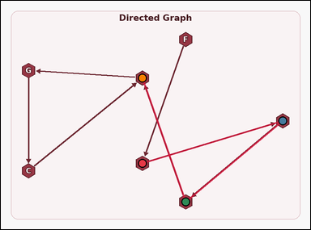 | task_graph_path_shortest_path_length | directed_shortest_path_length | Use the image containing a labeled directed graph. Task: The directed graph has a unique shortest path from node E to node B, following the direction of the arrows. How many edges are in that path? Return a valid JSON object with keys "evidence" and "answer" in that order. Evidence format: set "evidence" to an array of the node labels along that unique shortest path in order from node E to node B, including both endpoints. Answer requirement: set "answer" to the number of edges in that path as an integer. Example JSON: {"evidence":["B","D","H"],"answer":2} | Use the image containing a labeled directed graph. Task: The directed graph has a unique shortest path from node E to node B, following the direction of the arrows. How many edges are in that path? Return a valid JSON object with key "answer". Answer format: set "answer" to the number of edges in that path as an integer. Example JSON: {"answer":2} | {"evidence": ["E", "D", "A", "B"], "answer": 3} | ["E", "D", "A", "B"] | integer | label_path | 228561350480058 | graph/task_graph_path_shortest_path_length/images/directed_shortest_path_length/0019.png | graph/task_graph_path_shortest_path_length/data/directed_shortest_path_length/0019.json
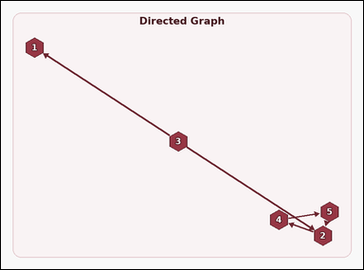 | 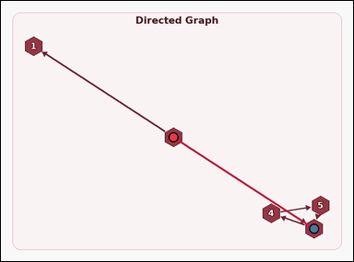 | task_graph_path_shortest_path_length | directed_shortest_path_length | The image shows a labeled directed graph. Answer this question: The directed graph has a unique shortest path from node 3 to node 2, following the direction of the arrows. How many edges are in that path? Return a valid JSON object with keys "evidence" and "answer" in that order. Evidence: set "evidence" to an array of the node labels along that unique shortest path in order from node 3 to node 2, including both endpoints. Answer: set "answer" to the number of edges in that path as an integer. Example JSON: {"evidence":["2","5","8"],"answer":2} | The image shows a labeled directed graph. Answer this question: The directed graph has a unique shortest path from node 3 to node 2, following the direction of the arrows. How many edges are in that path? Return a valid JSON object with key "answer". Answer format: set "answer" to the number of edges in that path as an integer. Example JSON: {"answer":2} | {"evidence": ["3", "2"], "answer": 1} | ["3", "2"] | integer | label_path | 1.1096075561E+15 | graph/task_graph_path_shortest_path_length/images/directed_shortest_path_length/0014.png | graph/task_graph_path_shortest_path_length/data/directed_shortest_path_length/0014.json
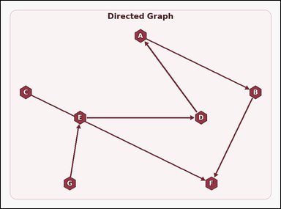 | 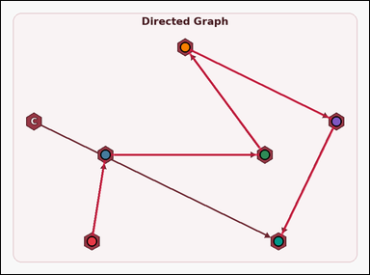 | task_graph_path_shortest_path_length | directed_shortest_path_length | You are given an image with a labeled directed graph. Determine the answer: The directed graph has a unique shortest path from node G to node F, following the direction of the arrows. How many edges are in that path? Return a valid JSON object with keys "evidence" and "answer" in that order. Evidence rule: set "evidence" to an array of the node labels along that unique shortest path in order from node G to node F, including both endpoints. Answer rule: set "answer" to the number of edges in that path as an integer. Example JSON: {"evidence":["B","D","H"],"answer":2} | You are given an image with a labeled directed graph. Determine the answer: The directed graph has a unique shortest path from node G to node F, following the direction of the arrows. How many edges are in that path? Return a valid JSON object with key "answer". Answer format: set "answer" to the number of edges in that path as an integer. Example JSON: {"answer":2} | {"evidence": ["G", "E", "D", "A", "B", "F"], "answer": 5} | ["G", "E", "D", "A", "B", "F"] | integer | label_path | 1.3374917371E+15 | graph/task_graph_path_shortest_path_length/images/directed_shortest_path_length/0023.png | graph/task_graph_path_shortest_path_length/data/directed_shortest_path_length/0023.json
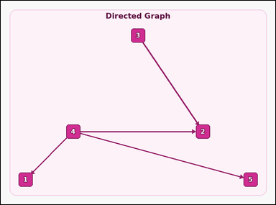 | 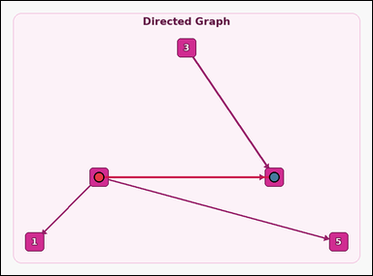 | task_graph_path_shortest_path_length | directed_shortest_path_length | You are given an image with a labeled directed graph. Question: The directed graph has a unique shortest path from node 4 to node 2, following the direction of the arrows. How many edges are in that path? Return a valid JSON object with keys "evidence" and "answer" in that order. Evidence format: set "evidence" to an array of the node labels along that unique shortest path in order from node 4 to node 2, including both endpoints. Answer requirement: set "answer" to the number of edges in that path as an integer. Example JSON: {"evidence":["2","5","8"],"answer":2} | You are given an image with a labeled directed graph. Question: The directed graph has a unique shortest path from node 4 to node 2, following the direction of the arrows. How many edges are in that path? Return a valid JSON object with key "answer". Answer: set "answer" to the number of edges in that path as an integer. Example JSON: {"answer":2} | {"evidence": ["4", "2"], "answer": 1} | ["4", "2"] | integer | label_path | 1.399099983E+15 | graph/task_graph_path_shortest_path_length/images/directed_shortest_path_length/0011.png | graph/task_graph_path_shortest_path_length/data/directed_shortest_path_length/0011.json
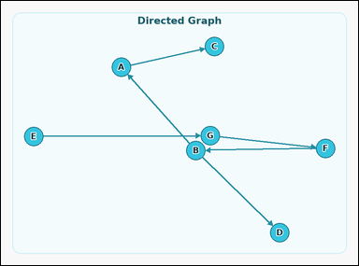 | 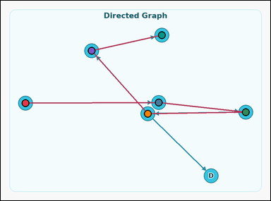 | task_graph_path_shortest_path_length | directed_shortest_path_length | The image shows a labeled directed graph. Determine the answer: The directed graph has a unique shortest path from node E to node C, following the direction of the arrows. How many edges are in that path? Return a valid JSON object with keys "evidence" and "answer" in that order. Evidence rule: set "evidence" to an array of the node labels along that unique shortest path in order from node E to node C, including both endpoints. Answer rule: set "answer" to the number of edges in that path as an integer. Example JSON: {"evidence":["B","D","H"],"answer":2} | The image shows a labeled directed graph. Determine the answer: The directed graph has a unique shortest path from node E to node C, following the direction of the arrows. How many edges are in that path? Return a valid JSON object with key "answer". Answer rule: set "answer" to the number of edges in that path as an integer. Example JSON: {"answer":2} | {"evidence": ["E", "G", "F", "B", "A", "C"], "answer": 5} | ["E", "G", "F", "B", "A", "C"] | integer | label_path | 1.794412547E+15 | graph/task_graph_path_shortest_path_length/images/directed_shortest_path_length/0022.png | graph/task_graph_path_shortest_path_length/data/directed_shortest_path_length/0022.json
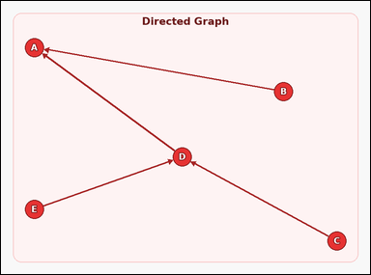 | 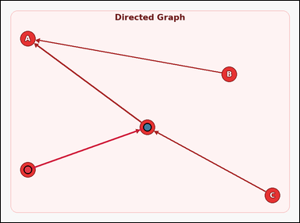 | task_graph_path_shortest_path_length | directed_shortest_path_length | Work from the image with a labeled directed graph. Answer this question: The directed graph has a unique shortest path from node E to node D, following the direction of the arrows. How many edges are in that path? Return a valid JSON object with keys "evidence" and "answer" in that order. Evidence rule: set "evidence" to an array of the node labels along that unique shortest path in order from node E to node D, including both endpoints. Answer rule: set "answer" to the number of edges in that path as an integer. Example JSON: {"evidence":["B","D","H"],"answer":2} | Work from the image with a labeled directed graph. Answer this question: The directed graph has a unique shortest path from node E to node D, following the direction of the arrows. How many edges are in that path? Return a valid JSON object with key "answer". Answer requirement: set "answer" to the number of edges in that path as an integer. Example JSON: {"answer":2} | {"evidence": ["E", "D"], "answer": 1} | ["E", "D"] | integer | label_path | 2.5407601403E+15 | graph/task_graph_path_shortest_path_length/images/directed_shortest_path_length/0003.png | graph/task_graph_path_shortest_path_length/data/directed_shortest_path_length/0003.json
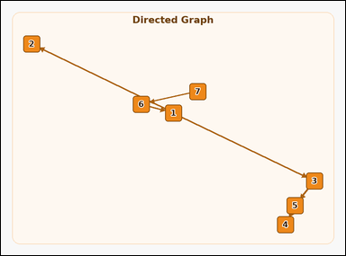 | 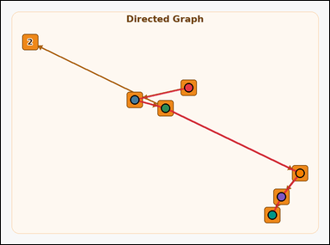 | task_graph_path_shortest_path_length | directed_shortest_path_length | You are given an image with a labeled directed graph. The directed graph has a unique shortest path from node 7 to node 4, following the direction of the arrows. How many edges are in that path? Return a valid JSON object with keys "evidence" and "answer" in that order. Evidence rule: set "evidence" to an array of the node labels along that unique shortest path in order from node 7 to node 4, including both endpoints. Answer rule: set "answer" to the number of edges in that path as an integer. Example JSON: {"evidence":["2","5","8"],"answer":2} | You are given an image with a labeled directed graph. The directed graph has a unique shortest path from node 7 to node 4, following the direction of the arrows. How many edges are in that path? Return a valid JSON object with key "answer". Answer field: set "answer" to the number of edges in that path as an integer. Example JSON: {"answer":2} | {"evidence": ["7", "6", "1", "3", "5", "4"], "answer": 5} | ["7", "6", "1", "3", "5", "4"] | integer | label_path | 2.8684733254E+15 | graph/task_graph_path_shortest_path_length/images/directed_shortest_path_length/0004.png | graph/task_graph_path_shortest_path_length/data/directed_shortest_path_length/0004.json
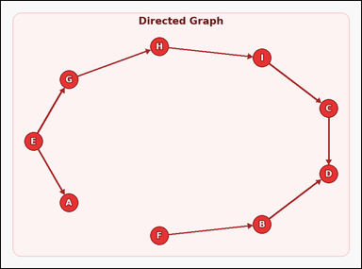 | 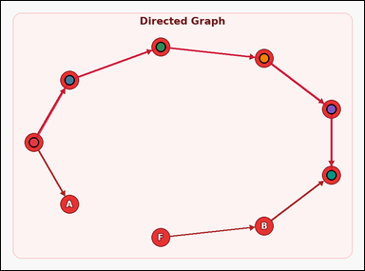 | task_graph_path_shortest_path_length | directed_shortest_path_length | The image shows a labeled directed graph. The directed graph has a unique shortest path from node E to node D, following the direction of the arrows. How many edges are in that path? Return a valid JSON object with keys "evidence" and "answer" in that order. Evidence requirement: set "evidence" to an array of the node labels along that unique shortest path in order from node E to node D, including both endpoints. Answer format: set "answer" to the number of edges in that path as an integer. Example JSON: {"evidence":["B","D","H"],"answer":2} | The image shows a labeled directed graph. The directed graph has a unique shortest path from node E to node D, following the direction of the arrows. How many edges are in that path? Return a valid JSON object with key "answer". Answer field: set "answer" to the number of edges in that path as an integer. Example JSON: {"answer":2} | {"evidence": ["E", "G", "H", "I", "C", "D"], "answer": 5} | ["E", "G", "H", "I", "C", "D"] | integer | label_path | 3.1300891294E+15 | graph/task_graph_path_shortest_path_length/images/directed_shortest_path_length/0006.png | graph/task_graph_path_shortest_path_length/data/directed_shortest_path_length/0006.json
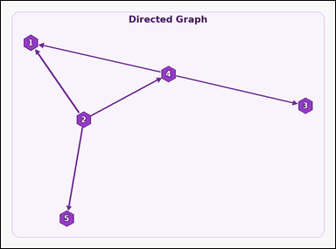 | 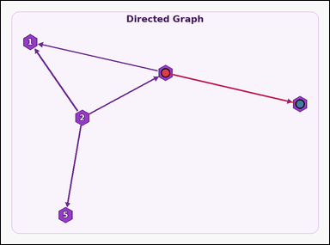 | task_graph_path_shortest_path_length | directed_shortest_path_length | Look at the image with a labeled directed graph. Answer this question: The directed graph has a unique shortest path from node 4 to node 3, following the direction of the arrows. How many edges are in that path? Return a valid JSON object with keys "evidence" and "answer" in that order. Evidence: set "evidence" to an array of the node labels along that unique shortest path in order from node 4 to node 3, including both endpoints. Answer: set "answer" to the number of edges in that path as an integer. Example JSON: {"evidence":["2","5","8"],"answer":2} | Look at the image with a labeled directed graph. Answer this question: The directed graph has a unique shortest path from node 4 to node 3, following the direction of the arrows. How many edges are in that path? Return a valid JSON object with key "answer". Answer requirement: set "answer" to the number of edges in that path as an integer. Example JSON: {"answer":2} | {"evidence": ["4", "3"], "answer": 1} | ["4", "3"] | integer | label_path | 3.4305593729E+15 | graph/task_graph_path_shortest_path_length/images/directed_shortest_path_length/0005.png | graph/task_graph_path_shortest_path_length/data/directed_shortest_path_length/0005.json
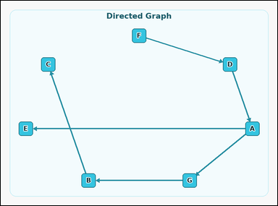 | 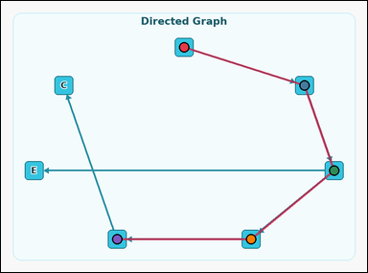 | task_graph_path_shortest_path_length | directed_shortest_path_length | Use the image containing a labeled directed graph. Determine the answer: The directed graph has a unique shortest path from node F to node B, following the direction of the arrows. How many edges are in that path? Return a valid JSON object with keys "evidence" and "answer" in that order. Evidence: set "evidence" to an array of the node labels along that unique shortest path in order from node F to node B, including both endpoints. Answer: set "answer" to the number of edges in that path as an integer. Example JSON: {"evidence":["B","D","H"],"answer":2} | Use the image containing a labeled directed graph. Determine the answer: The directed graph has a unique shortest path from node F to node B, following the direction of the arrows. How many edges are in that path? Return a valid JSON object with key "answer". Answer: set "answer" to the number of edges in that path as an integer. Example JSON: {"answer":2} | {"evidence": ["F", "D", "A", "G", "B"], "answer": 4} | ["F", "D", "A", "G", "B"] | integer | label_path | 4.0906638743E+15 | graph/task_graph_path_shortest_path_length/images/directed_shortest_path_length/0000.png | graph/task_graph_path_shortest_path_length/data/directed_shortest_path_length/0000.json
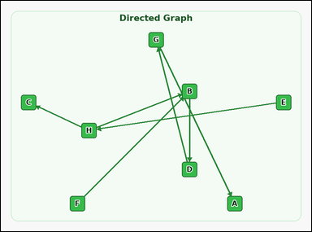 | 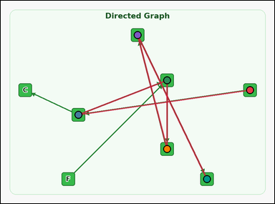 | task_graph_path_shortest_path_length | directed_shortest_path_length | Work from the image with a labeled directed graph. Task: The directed graph has a unique shortest path from node E to node A, following the direction of the arrows. How many edges are in that path? Return a valid JSON object with keys "evidence" and "answer" in that order. Evidence field: set "evidence" to an array of the node labels along that unique shortest path in order from node E to node A, including both endpoints. Answer field: set "answer" to the number of edges in that path as an integer. Example JSON: {"evidence":["B","D","H"],"answer":2} | Work from the image with a labeled directed graph. Task: The directed graph has a unique shortest path from node E to node A, following the direction of the arrows. How many edges are in that path? Return a valid JSON object with key "answer". Answer field: set "answer" to the number of edges in that path as an integer. Example JSON: {"answer":2} | {"evidence": ["E", "H", "B", "D", "G", "A"], "answer": 5} | ["E", "H", "B", "D", "G", "A"] | integer | label_path | 4.1913785402E+15 | graph/task_graph_path_shortest_path_length/images/directed_shortest_path_length/0001.png | graph/task_graph_path_shortest_path_length/data/directed_shortest_path_length/0001.json
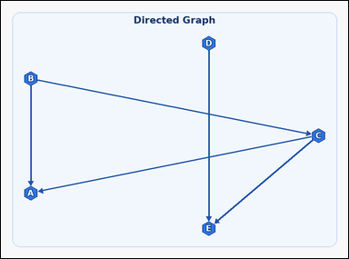 | 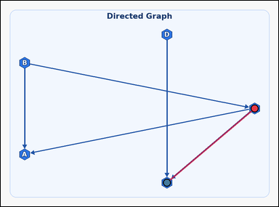 | task_graph_path_shortest_path_length | directed_shortest_path_length | You are given an image with a labeled directed graph. Question: The directed graph has a unique shortest path from node C to node E, following the direction of the arrows. How many edges are in that path? Return a valid JSON object with keys "evidence" and "answer" in that order. Evidence requirement: set "evidence" to an array of the node labels along that unique shortest path in order from node C to node E, including both endpoints. Answer format: set "answer" to the number of edges in that path as an integer. Example JSON: {"evidence":["B","D","H"],"answer":2} | You are given an image with a labeled directed graph. Question: The directed graph has a unique shortest path from node C to node E, following the direction of the arrows. How many edges are in that path? Return a valid JSON object with key "answer". Answer: set "answer" to the number of edges in that path as an integer. Example JSON: {"answer":2} | {"evidence": ["C", "E"], "answer": 1} | ["C", "E"] | integer | label_path | 4.7992186564E+15 | graph/task_graph_path_shortest_path_length/images/directed_shortest_path_length/0018.png | graph/task_graph_path_shortest_path_length/data/directed_shortest_path_length/0018.json
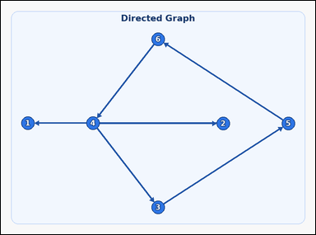 | 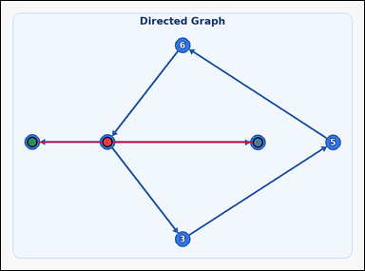 | task_graph_path_shortest_path_length | directed_shortest_path_length | You are given an image with a labeled directed graph. Determine the answer: The directed graph has a unique shortest path from node 4 to node 1, following the direction of the arrows. How many edges are in that path? Return a valid JSON object with keys "evidence" and "answer" in that order. Evidence format: set "evidence" to an array of the node labels along that unique shortest path in order from node 4 to node 1, including both endpoints. Answer requirement: set "answer" to the number of edges in that path as an integer. Example JSON: {"evidence":["2","5","8"],"answer":2} | You are given an image with a labeled directed graph. Determine the answer: The directed graph has a unique shortest path from node 4 to node 1, following the direction of the arrows. How many edges are in that path? Return a valid JSON object with key "answer". Answer rule: set "answer" to the number of edges in that path as an integer. Example JSON: {"answer":2} | {"evidence": ["4", "2", "1"], "answer": 2} | ["4", "2", "1"] | integer | label_path | 5.120814453E+15 | graph/task_graph_path_shortest_path_length/images/directed_shortest_path_length/0012.png | graph/task_graph_path_shortest_path_length/data/directed_shortest_path_length/0012.json
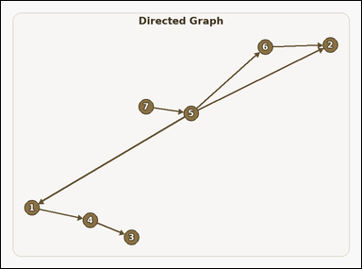 | 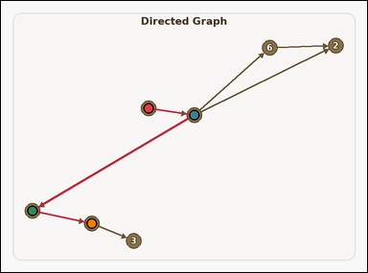 | task_graph_path_shortest_path_length | directed_shortest_path_length | Work from the image with a labeled directed graph. The directed graph has a unique shortest path from node 7 to node 4, following the direction of the arrows. How many edges are in that path? Return a valid JSON object with keys "evidence" and "answer" in that order. Evidence rule: set "evidence" to an array of the node labels along that unique shortest path in order from node 7 to node 4, including both endpoints. Answer rule: set "answer" to the number of edges in that path as an integer. Example JSON: {"evidence":["2","5","8"],"answer":2} | Work from the image with a labeled directed graph. The directed graph has a unique shortest path from node 7 to node 4, following the direction of the arrows. How many edges are in that path? Return a valid JSON object with key "answer". Answer field: set "answer" to the number of edges in that path as an integer. Example JSON: {"answer":2} | {"evidence": ["7", "5", "1", "4"], "answer": 3} | ["7", "5", "1", "4"] | integer | label_path | 5.4928104272E+15 | graph/task_graph_path_shortest_path_length/images/directed_shortest_path_length/0009.png | graph/task_graph_path_shortest_path_length/data/directed_shortest_path_length/0009.json
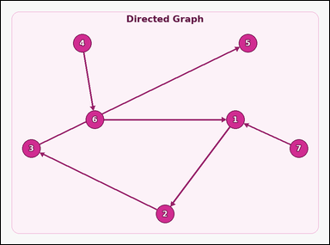 | 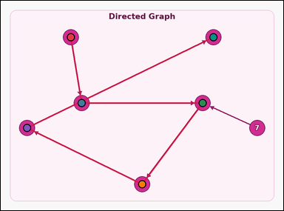 | task_graph_path_shortest_path_length | directed_shortest_path_length | You are given an image with a labeled directed graph. Answer this question: The directed graph has a unique shortest path from node 4 to node 5, following the direction of the arrows. How many edges are in that path? Return a valid JSON object with keys "evidence" and "answer" in that order. Evidence requirement: set "evidence" to an array of the node labels along that unique shortest path in order from node 4 to node 5, including both endpoints. Answer format: set "answer" to the number of edges in that path as an integer. Example JSON: {"evidence":["2","5","8"],"answer":2} | You are given an image with a labeled directed graph. Answer this question: The directed graph has a unique shortest path from node 4 to node 5, following the direction of the arrows. How many edges are in that path? Return a valid JSON object with key "answer". Answer field: set "answer" to the number of edges in that path as an integer. Example JSON: {"answer":2} | {"evidence": ["4", "6", "1", "2", "3", "5"], "answer": 5} | ["4", "6", "1", "2", "3", "5"] | integer | label_path | 5.4953694534E+15 | graph/task_graph_path_shortest_path_length/images/directed_shortest_path_length/0020.png | graph/task_graph_path_shortest_path_length/data/directed_shortest_path_length/0020.json
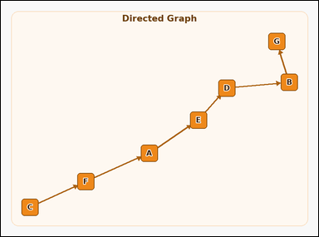 | 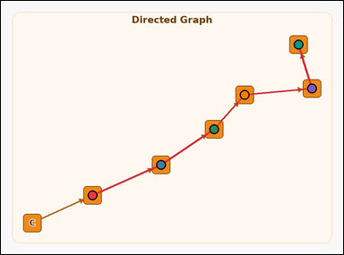 | task_graph_path_shortest_path_length | directed_shortest_path_length | Use the image containing a labeled directed graph. Task: The directed graph has a unique shortest path from node F to node G, following the direction of the arrows. How many edges are in that path? Return a valid JSON object with keys "evidence" and "answer" in that order. Evidence: set "evidence" to an array of the node labels along that unique shortest path in order from node F to node G, including both endpoints. Answer: set "answer" to the number of edges in that path as an integer. Example JSON: {"evidence":["B","D","H"],"answer":2} | Use the image containing a labeled directed graph. Task: The directed graph has a unique shortest path from node F to node G, following the direction of the arrows. How many edges are in that path? Return a valid JSON object with key "answer". Answer field: set "answer" to the number of edges in that path as an integer. Example JSON: {"answer":2} | {"evidence": ["F", "A", "E", "D", "B", "G"], "answer": 5} | ["F", "A", "E", "D", "B", "G"] | integer | label_path | 5.8286163822E+15 | graph/task_graph_path_shortest_path_length/images/directed_shortest_path_length/0016.png | graph/task_graph_path_shortest_path_length/data/directed_shortest_path_length/0016.json
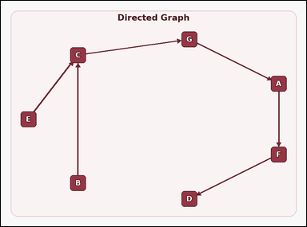 | 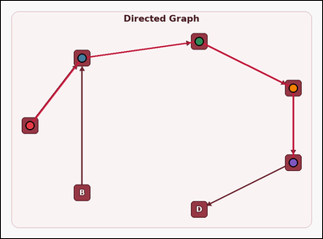 | task_graph_path_shortest_path_length | directed_shortest_path_length | You are given an image with a labeled directed graph. Determine the answer: The directed graph has a unique shortest path from node E to node F, following the direction of the arrows. How many edges are in that path? Return a valid JSON object with keys "evidence" and "answer" in that order. Evidence rule: set "evidence" to an array of the node labels along that unique shortest path in order from node E to node F, including both endpoints. Answer rule: set "answer" to the number of edges in that path as an integer. Example JSON: {"evidence":["B","D","H"],"answer":2} | You are given an image with a labeled directed graph. Determine the answer: The directed graph has a unique shortest path from node E to node F, following the direction of the arrows. How many edges are in that path? Return a valid JSON object with key "answer". Answer field: set "answer" to the number of edges in that path as an integer. Example JSON: {"answer":2} | {"evidence": ["E", "C", "G", "A", "F"], "answer": 4} | ["E", "C", "G", "A", "F"] | integer | label_path | 5.8631899734E+15 | graph/task_graph_path_shortest_path_length/images/directed_shortest_path_length/0015.png | graph/task_graph_path_shortest_path_length/data/directed_shortest_path_length/0015.json
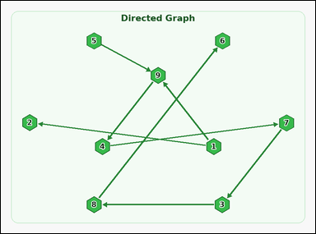 | 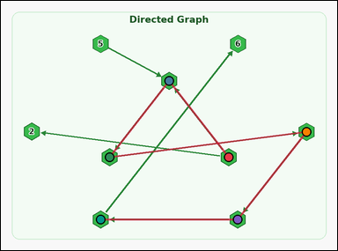 | task_graph_path_shortest_path_length | directed_shortest_path_length | Look at the image with a labeled directed graph. Question: The directed graph has a unique shortest path from node 1 to node 8, following the direction of the arrows. How many edges are in that path? Return a valid JSON object with keys "evidence" and "answer" in that order. Evidence field: set "evidence" to an array of the node labels along that unique shortest path in order from node 1 to node 8, including both endpoints. Answer field: set "answer" to the number of edges in that path as an integer. Example JSON: {"evidence":["2","5","8"],"answer":2} | Look at the image with a labeled directed graph. Question: The directed graph has a unique shortest path from node 1 to node 8, following the direction of the arrows. How many edges are in that path? Return a valid JSON object with key "answer". Answer field: set "answer" to the number of edges in that path as an integer. Example JSON: {"answer":2} | {"evidence": ["1", "9", "4", "7", "3", "8"], "answer": 5} | ["1", "9", "4", "7", "3", "8"] | integer | label_path | 5.9953152036E+15 | graph/task_graph_path_shortest_path_length/images/directed_shortest_path_length/0017.png | graph/task_graph_path_shortest_path_length/data/directed_shortest_path_length/0017.json
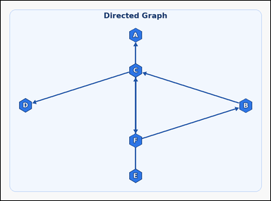 | 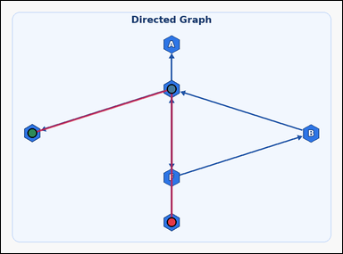 | task_graph_path_shortest_path_length | directed_shortest_path_length | You are given an image with a labeled directed graph. The directed graph has a unique shortest path from node E to node D, following the direction of the arrows. How many edges are in that path? Return a valid JSON object with keys "evidence" and "answer" in that order. Evidence format: set "evidence" to an array of the node labels along that unique shortest path in order from node E to node D, including both endpoints. Answer requirement: set "answer" to the number of edges in that path as an integer. Example JSON: {"evidence":["B","D","H"],"answer":2} | You are given an image with a labeled directed graph. The directed graph has a unique shortest path from node E to node D, following the direction of the arrows. How many edges are in that path? Return a valid JSON object with key "answer". Answer requirement: set "answer" to the number of edges in that path as an integer. Example JSON: {"answer":2} | {"evidence": ["E", "C", "D"], "answer": 2} | ["E", "C", "D"] | integer | label_path | 6.2078352242E+15 | graph/task_graph_path_shortest_path_length/images/directed_shortest_path_length/0002.png | graph/task_graph_path_shortest_path_length/data/directed_shortest_path_length/0002.json
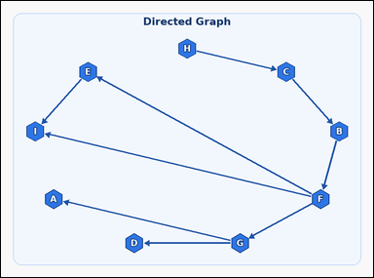 | 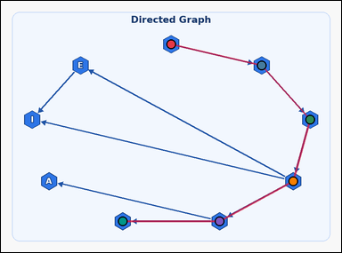 | task_graph_path_shortest_path_length | directed_shortest_path_length | The image shows a labeled directed graph. Question: The directed graph has a unique shortest path from node H to node D, following the direction of the arrows. How many edges are in that path? Return a valid JSON object with keys "evidence" and "answer" in that order. Evidence field: set "evidence" to an array of the node labels along that unique shortest path in order from node H to node D, including both endpoints. Answer field: set "answer" to the number of edges in that path as an integer. Example JSON: {"evidence":["B","D","H"],"answer":2} | The image shows a labeled directed graph. Question: The directed graph has a unique shortest path from node H to node D, following the direction of the arrows. How many edges are in that path? Return a valid JSON object with key "answer". Answer format: set "answer" to the number of edges in that path as an integer. Example JSON: {"answer":2} | {"evidence": ["H", "C", "B", "F", "G", "D"], "answer": 5} | ["H", "C", "B", "F", "G", "D"] | integer | label_path | 6.5895954423E+15 | graph/task_graph_path_shortest_path_length/images/directed_shortest_path_length/0007.png | graph/task_graph_path_shortest_path_length/data/directed_shortest_path_length/0007.json
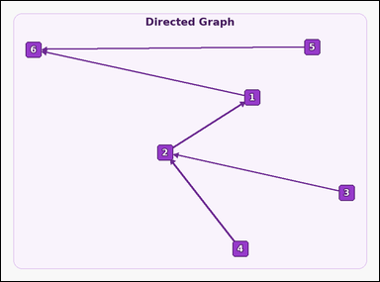 | 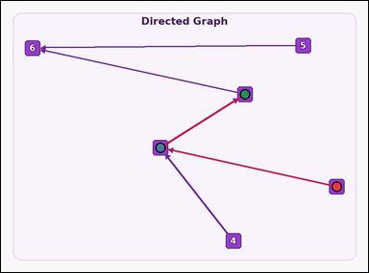 | task_graph_path_shortest_path_length | directed_shortest_path_length | The image shows a labeled directed graph. Determine the answer: The directed graph has a unique shortest path from node 3 to node 1, following the direction of the arrows. How many edges are in that path? Return a valid JSON object with keys "evidence" and "answer" in that order. Evidence requirement: set "evidence" to an array of the node labels along that unique shortest path in order from node 3 to node 1, including both endpoints. Answer format: set "answer" to the number of edges in that path as an integer. Example JSON: {"evidence":["2","5","8"],"answer":2} | The image shows a labeled directed graph. Determine the answer: The directed graph has a unique shortest path from node 3 to node 1, following the direction of the arrows. How many edges are in that path? Return a valid JSON object with key "answer". Answer field: set "answer" to the number of edges in that path as an integer. Example JSON: {"answer":2} | {"evidence": ["3", "2", "1"], "answer": 2} | ["3", "2", "1"] | integer | label_path | 6.6195404659E+15 | graph/task_graph_path_shortest_path_length/images/directed_shortest_path_length/0013.png | graph/task_graph_path_shortest_path_length/data/directed_shortest_path_length/0013.json
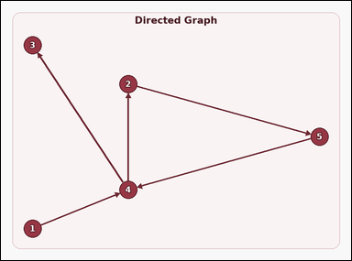 | 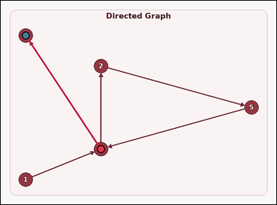 | task_graph_path_shortest_path_length | directed_shortest_path_length | You are given an image with a labeled directed graph. Question: The directed graph has a unique shortest path from node 4 to node 3, following the direction of the arrows. How many edges are in that path? Return a valid JSON object with keys "evidence" and "answer" in that order. Evidence field: set "evidence" to an array of the node labels along that unique shortest path in order from node 4 to node 3, including both endpoints. Answer field: set "answer" to the number of edges in that path as an integer. Example JSON: {"evidence":["2","5","8"],"answer":2} | You are given an image with a labeled directed graph. Question: The directed graph has a unique shortest path from node 4 to node 3, following the direction of the arrows. How many edges are in that path? Return a valid JSON object with key "answer". Answer field: set "answer" to the number of edges in that path as an integer. Example JSON: {"answer":2} | {"evidence": ["4", "3"], "answer": 1} | ["4", "3"] | integer | label_path | 6.8932203965E+15 | graph/task_graph_path_shortest_path_length/images/directed_shortest_path_length/0010.png | graph/task_graph_path_shortest_path_length/data/directed_shortest_path_length/0010.json
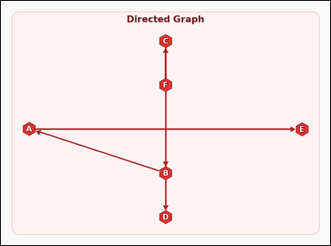 | 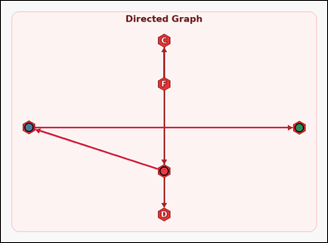 | task_graph_path_shortest_path_length | directed_shortest_path_length | Work from the image with a labeled directed graph. Answer this question: The directed graph has a unique shortest path from node B to node E, following the direction of the arrows. How many edges are in that path? Return a valid JSON object with keys "evidence" and "answer" in that order. Evidence: set "evidence" to an array of the node labels along that unique shortest path in order from node B to node E, including both endpoints. Answer: set "answer" to the number of edges in that path as an integer. Example JSON: {"evidence":["B","D","H"],"answer":2} | Work from the image with a labeled directed graph. Answer this question: The directed graph has a unique shortest path from node B to node E, following the direction of the arrows. How many edges are in that path? Return a valid JSON object with key "answer". Answer format: set "answer" to the number of edges in that path as an integer. Example JSON: {"answer":2} | {"evidence": ["B", "A", "E"], "answer": 2} | ["B", "A", "E"] | integer | label_path | 7.8912123665E+15 | graph/task_graph_path_shortest_path_length/images/directed_shortest_path_length/0024.png | graph/task_graph_path_shortest_path_length/data/directed_shortest_path_length/0024.json
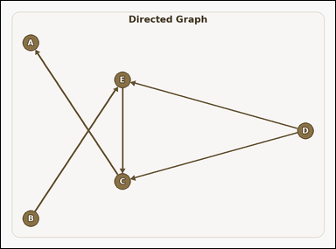 | 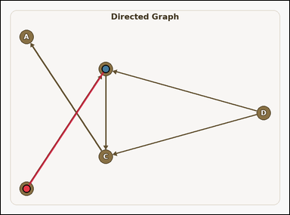 | task_graph_path_shortest_path_length | directed_shortest_path_length | The image shows a labeled directed graph. Answer this question: The directed graph has a unique shortest path from node B to node E, following the direction of the arrows. How many edges are in that path? Return a valid JSON object with keys "evidence" and "answer" in that order. Evidence requirement: set "evidence" to an array of the node labels along that unique shortest path in order from node B to node E, including both endpoints. Answer format: set "answer" to the number of edges in that path as an integer. Example JSON: {"evidence":["B","D","H"],"answer":2} | The image shows a labeled directed graph. Answer this question: The directed graph has a unique shortest path from node B to node E, following the direction of the arrows. How many edges are in that path? Return a valid JSON object with key "answer". Answer format: set "answer" to the number of edges in that path as an integer. Example JSON: {"answer":2} | {"evidence": ["B", "E"], "answer": 1} | ["B", "E"] | integer | label_path | 8.070563744E+15 | graph/task_graph_path_shortest_path_length/images/directed_shortest_path_length/0008.png | graph/task_graph_path_shortest_path_length/data/directed_shortest_path_length/0008.json

shortest_path_length
image | evidence_image | task | task_variant | prompt | prompt_answer_only | answer | answer_evidence | answer_type | evidence_type | instance_seed | image_path | data_path
 |  | task_graph_path_shortest_path_length | shortest_path_length | You are given an image with a labeled undirected graph. Answer this question: The graph has a unique shortest path from node D to node B. How many edges are in that path? Return a valid JSON object with keys "evidence" and "answer" in that order. Evidence rule: set "evidence" to an array of the node labels along that unique shortest path in order from node D to node B, including both endpoints. Answer rule: set "answer" to the number of edges in that path as an integer. Example JSON: {"evidence":["B","D","H"],"answer":2} | You are given an image with a labeled undirected graph. Answer this question: The graph has a unique shortest path from node D to node B. How many edges are in that path? Return a valid JSON object with key "answer". Answer: set "answer" to the number of edges in that path as an integer. Example JSON: {"answer":2} | {"evidence": ["D", "H", "G", "E", "B"], "answer": 4} | ["D", "H", "G", "E", "B"] | integer | label_path | 69826338902015 | graph/task_graph_path_shortest_path_length/images/shortest_path_length/0012.png | graph/task_graph_path_shortest_path_length/data/shortest_path_length/0012.json
 |  | task_graph_path_shortest_path_length | shortest_path_length | You are given an image with a labeled undirected graph. Determine the answer: The graph has a unique shortest path from node B to node F. How many edges are in that path? Return a valid JSON object with keys "evidence" and "answer" in that order. Evidence field: set "evidence" to an array of the node labels along that unique shortest path in order from node B to node F, including both endpoints. Answer field: set "answer" to the number of edges in that path as an integer. Example JSON: {"evidence":["B","D","H"],"answer":2} | You are given an image with a labeled undirected graph. Determine the answer: The graph has a unique shortest path from node B to node F. How many edges are in that path? Return a valid JSON object with key "answer". Answer format: set "answer" to the number of edges in that path as an integer. Example JSON: {"answer":2} | {"evidence": ["B", "C", "I", "A", "H", "F"], "answer": 5} | ["B", "C", "I", "A", "H", "F"] | integer | label_path | 287494933191654 | graph/task_graph_path_shortest_path_length/images/shortest_path_length/0002.png | graph/task_graph_path_shortest_path_length/data/shortest_path_length/0002.json
 |  | task_graph_path_shortest_path_length | shortest_path_length | You are given an image with a labeled undirected graph. Answer this question: The graph has a unique shortest path from node 9 to node 7. How many edges are in that path? Return a valid JSON object with keys "evidence" and "answer" in that order. Evidence field: set "evidence" to an array of the node labels along that unique shortest path in order from node 9 to node 7, including both endpoints. Answer field: set "answer" to the number of edges in that path as an integer. Example JSON: {"evidence":["2","5","8"],"answer":2} | You are given an image with a labeled undirected graph. Answer this question: The graph has a unique shortest path from node 9 to node 7. How many edges are in that path? Return a valid JSON object with key "answer". Answer format: set "answer" to the number of edges in that path as an integer. Example JSON: {"answer":2} | {"evidence": ["9", "5", "3", "8", "7"], "answer": 4} | ["9", "5", "3", "8", "7"] | integer | label_path | 567530650124902 | graph/task_graph_path_shortest_path_length/images/shortest_path_length/0014.png | graph/task_graph_path_shortest_path_length/data/shortest_path_length/0014.json
 |  | task_graph_path_shortest_path_length | shortest_path_length | Use the image containing a labeled undirected graph. Question: The graph has a unique shortest path from node 4 to node 6. How many edges are in that path? Return a valid JSON object with keys "evidence" and "answer" in that order. Evidence requirement: set "evidence" to an array of the node labels along that unique shortest path in order from node 4 to node 6, including both endpoints. Answer format: set "answer" to the number of edges in that path as an integer. Example JSON: {"evidence":["2","5","8"],"answer":2} | Use the image containing a labeled undirected graph. Question: The graph has a unique shortest path from node 4 to node 6. How many edges are in that path? Return a valid JSON object with key "answer". Answer rule: set "answer" to the number of edges in that path as an integer. Example JSON: {"answer":2} | {"evidence": ["4", "7", "6"], "answer": 2} | ["4", "7", "6"] | integer | label_path | 978948684731549 | graph/task_graph_path_shortest_path_length/images/shortest_path_length/0001.png | graph/task_graph_path_shortest_path_length/data/shortest_path_length/0001.json
 |  | task_graph_path_shortest_path_length | shortest_path_length | You are given an image with a labeled undirected graph. Answer this question: The graph has a unique shortest path from node E to node F. How many edges are in that path? Return a valid JSON object with keys "evidence" and "answer" in that order. Evidence format: set "evidence" to an array of the node labels along that unique shortest path in order from node E to node F, including both endpoints. Answer requirement: set "answer" to the number of edges in that path as an integer. Example JSON: {"evidence":["B","D","H"],"answer":2} | You are given an image with a labeled undirected graph. Answer this question: The graph has a unique shortest path from node E to node F. How many edges are in that path? Return a valid JSON object with key "answer". Answer requirement: set "answer" to the number of edges in that path as an integer. Example JSON: {"answer":2} | {"evidence": ["E", "A", "F"], "answer": 2} | ["E", "A", "F"] | integer | label_path | 1.0245174161E+15 | graph/task_graph_path_shortest_path_length/images/shortest_path_length/0000.png | graph/task_graph_path_shortest_path_length/data/shortest_path_length/0000.json
 |  | task_graph_path_shortest_path_length | shortest_path_length | Look at the image with a labeled undirected graph. Question: The graph has a unique shortest path from node 7 to node 4. How many edges are in that path? Return a valid JSON object with keys "evidence" and "answer" in that order. Evidence field: set "evidence" to an array of the node labels along that unique shortest path in order from node 7 to node 4, including both endpoints. Answer field: set "answer" to the number of edges in that path as an integer. Example JSON: {"evidence":["2","5","8"],"answer":2} | Look at the image with a labeled undirected graph. Question: The graph has a unique shortest path from node 7 to node 4. How many edges are in that path? Return a valid JSON object with key "answer". Answer rule: set "answer" to the number of edges in that path as an integer. Example JSON: {"answer":2} | {"evidence": ["7", "1", "6", "4"], "answer": 3} | ["7", "1", "6", "4"] | integer | label_path | 1.5876613869E+15 | graph/task_graph_path_shortest_path_length/images/shortest_path_length/0006.png | graph/task_graph_path_shortest_path_length/data/shortest_path_length/0006.json
 |  | task_graph_path_shortest_path_length | shortest_path_length | Use the image containing a labeled undirected graph. Determine the answer: The graph has a unique shortest path from node A to node C. How many edges are in that path? Return a valid JSON object with keys "evidence" and "answer" in that order. Evidence: set "evidence" to an array of the node labels along that unique shortest path in order from node A to node C, including both endpoints. Answer: set "answer" to the number of edges in that path as an integer. Example JSON: {"evidence":["B","D","H"],"answer":2} | Use the image containing a labeled undirected graph. Determine the answer: The graph has a unique shortest path from node A to node C. How many edges are in that path? Return a valid JSON object with key "answer". Answer: set "answer" to the number of edges in that path as an integer. Example JSON: {"answer":2} | {"evidence": ["A", "I", "E", "B", "H", "C"], "answer": 5} | ["A", "I", "E", "B", "H", "C"] | integer | label_path | 1.6277809089E+15 | graph/task_graph_path_shortest_path_length/images/shortest_path_length/0020.png | graph/task_graph_path_shortest_path_length/data/shortest_path_length/0020.json
 |  | task_graph_path_shortest_path_length | shortest_path_length | Use the image containing a labeled undirected graph. Question: The graph has a unique shortest path from node 3 to node 2. How many edges are in that path? Return a valid JSON object with keys "evidence" and "answer" in that order. Evidence field: set "evidence" to an array of the node labels along that unique shortest path in order from node 3 to node 2, including both endpoints. Answer field: set "answer" to the number of edges in that path as an integer. Example JSON: {"evidence":["2","5","8"],"answer":2} | Use the image containing a labeled undirected graph. Question: The graph has a unique shortest path from node 3 to node 2. How many edges are in that path? Return a valid JSON object with key "answer". Answer format: set "answer" to the number of edges in that path as an integer. Example JSON: {"answer":2} | {"evidence": ["3", "2"], "answer": 1} | ["3", "2"] | integer | label_path | 1.8855374548E+15 | graph/task_graph_path_shortest_path_length/images/shortest_path_length/0015.png | graph/task_graph_path_shortest_path_length/data/shortest_path_length/0015.json
 |  | task_graph_path_shortest_path_length | shortest_path_length | You are given an image with a labeled undirected graph. Question: The graph has a unique shortest path from node B to node H. How many edges are in that path? Return a valid JSON object with keys "evidence" and "answer" in that order. Evidence format: set "evidence" to an array of the node labels along that unique shortest path in order from node B to node H, including both endpoints. Answer requirement: set "answer" to the number of edges in that path as an integer. Example JSON: {"evidence":["B","D","H"],"answer":2} | You are given an image with a labeled undirected graph. Question: The graph has a unique shortest path from node B to node H. How many edges are in that path? Return a valid JSON object with key "answer". Answer: set "answer" to the number of edges in that path as an integer. Example JSON: {"answer":2} | {"evidence": ["B", "H"], "answer": 1} | ["B", "H"] | integer | label_path | 1.9583677691E+15 | graph/task_graph_path_shortest_path_length/images/shortest_path_length/0005.png | graph/task_graph_path_shortest_path_length/data/shortest_path_length/0005.json
 |  | task_graph_path_shortest_path_length | shortest_path_length | Use the image containing a labeled undirected graph. Answer this question: The graph has a unique shortest path from node E to node D. How many edges are in that path? Return a valid JSON object with keys "evidence" and "answer" in that order. Evidence rule: set "evidence" to an array of the node labels along that unique shortest path in order from node E to node D, including both endpoints. Answer rule: set "answer" to the number of edges in that path as an integer. Example JSON: {"evidence":["B","D","H"],"answer":2} | Use the image containing a labeled undirected graph. Answer this question: The graph has a unique shortest path from node E to node D. How many edges are in that path? Return a valid JSON object with key "answer". Answer rule: set "answer" to the number of edges in that path as an integer. Example JSON: {"answer":2} | {"evidence": ["E", "C", "A", "B", "H", "D"], "answer": 5} | ["E", "C", "A", "B", "H", "D"] | integer | label_path | 2.1393556714E+15 | graph/task_graph_path_shortest_path_length/images/shortest_path_length/0019.png | graph/task_graph_path_shortest_path_length/data/shortest_path_length/0019.json
 |  | task_graph_path_shortest_path_length | shortest_path_length | Work from the image with a labeled undirected graph. Question: The graph has a unique shortest path from node C to node E. How many edges are in that path? Return a valid JSON object with keys "evidence" and "answer" in that order. Evidence format: set "evidence" to an array of the node labels along that unique shortest path in order from node C to node E, including both endpoints. Answer requirement: set "answer" to the number of edges in that path as an integer. Example JSON: {"evidence":["B","D","H"],"answer":2} | Work from the image with a labeled undirected graph. Question: The graph has a unique shortest path from node C to node E. How many edges are in that path? Return a valid JSON object with key "answer". Answer format: set "answer" to the number of edges in that path as an integer. Example JSON: {"answer":2} | {"evidence": ["C", "B", "E"], "answer": 2} | ["C", "B", "E"] | integer | label_path | 2.1577527331E+15 | graph/task_graph_path_shortest_path_length/images/shortest_path_length/0007.png | graph/task_graph_path_shortest_path_length/data/shortest_path_length/0007.json
 |  | task_graph_path_shortest_path_length | shortest_path_length | Use the image containing a labeled undirected graph. Determine the answer: The graph has a unique shortest path from node 4 to node 9. How many edges are in that path? Return a valid JSON object with keys "evidence" and "answer" in that order. Evidence field: set "evidence" to an array of the node labels along that unique shortest path in order from node 4 to node 9, including both endpoints. Answer field: set "answer" to the number of edges in that path as an integer. Example JSON: {"evidence":["2","5","8"],"answer":2} | Use the image containing a labeled undirected graph. Determine the answer: The graph has a unique shortest path from node 4 to node 9. How many edges are in that path? Return a valid JSON object with key "answer". Answer format: set "answer" to the number of edges in that path as an integer. Example JSON: {"answer":2} | {"evidence": ["4", "5", "2", "3", "9"], "answer": 4} | ["4", "5", "2", "3", "9"] | integer | label_path | 2.6626123676E+15 | graph/task_graph_path_shortest_path_length/images/shortest_path_length/0016.png | graph/task_graph_path_shortest_path_length/data/shortest_path_length/0016.json
 |  | task_graph_path_shortest_path_length | shortest_path_length | The image shows a labeled undirected graph. Question: The graph has a unique shortest path from node D to node B. How many edges are in that path? Return a valid JSON object with keys "evidence" and "answer" in that order. Evidence requirement: set "evidence" to an array of the node labels along that unique shortest path in order from node D to node B, including both endpoints. Answer format: set "answer" to the number of edges in that path as an integer. Example JSON: {"evidence":["B","D","H"],"answer":2} | The image shows a labeled undirected graph. Question: The graph has a unique shortest path from node D to node B. How many edges are in that path? Return a valid JSON object with key "answer". Answer requirement: set "answer" to the number of edges in that path as an integer. Example JSON: {"answer":2} | {"evidence": ["D", "C", "A", "B"], "answer": 3} | ["D", "C", "A", "B"] | integer | label_path | 3.3782994978E+15 | graph/task_graph_path_shortest_path_length/images/shortest_path_length/0021.png | graph/task_graph_path_shortest_path_length/data/shortest_path_length/0021.json
 |  | task_graph_path_shortest_path_length | shortest_path_length | The image shows a labeled undirected graph. Determine the answer: The graph has a unique shortest path from node C to node F. How many edges are in that path? Return a valid JSON object with keys "evidence" and "answer" in that order. Evidence: set "evidence" to an array of the node labels along that unique shortest path in order from node C to node F, including both endpoints. Answer: set "answer" to the number of edges in that path as an integer. Example JSON: {"evidence":["B","D","H"],"answer":2} | The image shows a labeled undirected graph. Determine the answer: The graph has a unique shortest path from node C to node F. How many edges are in that path? Return a valid JSON object with key "answer". Answer rule: set "answer" to the number of edges in that path as an integer. Example JSON: {"answer":2} | {"evidence": ["C", "G", "D", "E", "B", "F"], "answer": 5} | ["C", "G", "D", "E", "B", "F"] | integer | label_path | 3.4953208698E+15 | graph/task_graph_path_shortest_path_length/images/shortest_path_length/0017.png | graph/task_graph_path_shortest_path_length/data/shortest_path_length/0017.json
 |  | task_graph_path_shortest_path_length | shortest_path_length | You are given an image with a labeled undirected graph. Question: The graph has a unique shortest path from node D to node F. How many edges are in that path? Return a valid JSON object with keys "evidence" and "answer" in that order. Evidence field: set "evidence" to an array of the node labels along that unique shortest path in order from node D to node F, including both endpoints. Answer field: set "answer" to the number of edges in that path as an integer. Example JSON: {"evidence":["B","D","H"],"answer":2} | You are given an image with a labeled undirected graph. Question: The graph has a unique shortest path from node D to node F. How many edges are in that path? Return a valid JSON object with key "answer". Answer rule: set "answer" to the number of edges in that path as an integer. Example JSON: {"answer":2} | {"evidence": ["D", "C", "F"], "answer": 2} | ["D", "C", "F"] | integer | label_path | 4.1322460708E+15 | graph/task_graph_path_shortest_path_length/images/shortest_path_length/0023.png | graph/task_graph_path_shortest_path_length/data/shortest_path_length/0023.json
 |  | task_graph_path_shortest_path_length | shortest_path_length | Use the image containing a labeled undirected graph. Question: The graph has a unique shortest path from node C to node F. How many edges are in that path? Return a valid JSON object with keys "evidence" and "answer" in that order. Evidence field: set "evidence" to an array of the node labels along that unique shortest path in order from node C to node F, including both endpoints. Answer field: set "answer" to the number of edges in that path as an integer. Example JSON: {"evidence":["B","D","H"],"answer":2} | Use the image containing a labeled undirected graph. Question: The graph has a unique shortest path from node C to node F. How many edges are in that path? Return a valid JSON object with key "answer". Answer field: set "answer" to the number of edges in that path as an integer. Example JSON: {"answer":2} | {"evidence": ["C", "E", "D", "F"], "answer": 3} | ["C", "E", "D", "F"] | integer | label_path | 4.166621867E+15 | graph/task_graph_path_shortest_path_length/images/shortest_path_length/0018.png | graph/task_graph_path_shortest_path_length/data/shortest_path_length/0018.json
 |  | task_graph_path_shortest_path_length | shortest_path_length | You are given an image with a labeled undirected graph. Question: The graph has a unique shortest path from node 4 to node 5. How many edges are in that path? Return a valid JSON object with keys "evidence" and "answer" in that order. Evidence: set "evidence" to an array of the node labels along that unique shortest path in order from node 4 to node 5, including both endpoints. Answer: set "answer" to the number of edges in that path as an integer. Example JSON: {"evidence":["2","5","8"],"answer":2} | You are given an image with a labeled undirected graph. Question: The graph has a unique shortest path from node 4 to node 5. How many edges are in that path? Return a valid JSON object with key "answer". Answer format: set "answer" to the number of edges in that path as an integer. Example JSON: {"answer":2} | {"evidence": ["4", "8", "5"], "answer": 2} | ["4", "8", "5"] | integer | label_path | 4.8350921791E+15 | graph/task_graph_path_shortest_path_length/images/shortest_path_length/0004.png | graph/task_graph_path_shortest_path_length/data/shortest_path_length/0004.json
 |  | task_graph_path_shortest_path_length | shortest_path_length | Look at the image with a labeled undirected graph. The graph has a unique shortest path from node 2 to node 6. How many edges are in that path? Return a valid JSON object with keys "evidence" and "answer" in that order. Evidence rule: set "evidence" to an array of the node labels along that unique shortest path in order from node 2 to node 6, including both endpoints. Answer rule: set "answer" to the number of edges in that path as an integer. Example JSON: {"evidence":["2","5","8"],"answer":2} | Look at the image with a labeled undirected graph. The graph has a unique shortest path from node 2 to node 6. How many edges are in that path? Return a valid JSON object with key "answer". Answer field: set "answer" to the number of edges in that path as an integer. Example JSON: {"answer":2} | {"evidence": ["2", "5", "6"], "answer": 2} | ["2", "5", "6"] | integer | label_path | 5.2118870119E+15 | graph/task_graph_path_shortest_path_length/images/shortest_path_length/0003.png | graph/task_graph_path_shortest_path_length/data/shortest_path_length/0003.json
 |  | task_graph_path_shortest_path_length | shortest_path_length | Look at the image with a labeled undirected graph. Answer this question: The graph has a unique shortest path from node G to node D. How many edges are in that path? Return a valid JSON object with keys "evidence" and "answer" in that order. Evidence field: set "evidence" to an array of the node labels along that unique shortest path in order from node G to node D, including both endpoints. Answer field: set "answer" to the number of edges in that path as an integer. Example JSON: {"evidence":["B","D","H"],"answer":2} | Look at the image with a labeled undirected graph. Answer this question: The graph has a unique shortest path from node G to node D. How many edges are in that path? Return a valid JSON object with key "answer". Answer format: set "answer" to the number of edges in that path as an integer. Example JSON: {"answer":2} | {"evidence": ["G", "B", "A", "F", "C", "D"], "answer": 5} | ["G", "B", "A", "F", "C", "D"] | integer | label_path | 6.1013427765E+15 | graph/task_graph_path_shortest_path_length/images/shortest_path_length/0022.png | graph/task_graph_path_shortest_path_length/data/shortest_path_length/0022.json
 |  | task_graph_path_shortest_path_length | shortest_path_length | Look at the image with a labeled undirected graph. Answer this question: The graph has a unique shortest path from node 1 to node 3. How many edges are in that path? Return a valid JSON object with keys "evidence" and "answer" in that order. Evidence: set "evidence" to an array of the node labels along that unique shortest path in order from node 1 to node 3, including both endpoints. Answer: set "answer" to the number of edges in that path as an integer. Example JSON: {"evidence":["2","5","8"],"answer":2} | Look at the image with a labeled undirected graph. Answer this question: The graph has a unique shortest path from node 1 to node 3. How many edges are in that path? Return a valid JSON object with key "answer". Answer requirement: set "answer" to the number of edges in that path as an integer. Example JSON: {"answer":2} | {"evidence": ["1", "3"], "answer": 1} | ["1", "3"] | integer | label_path | 6.3134174213E+15 | graph/task_graph_path_shortest_path_length/images/shortest_path_length/0009.png | graph/task_graph_path_shortest_path_length/data/shortest_path_length/0009.json
 |  | task_graph_path_shortest_path_length | shortest_path_length | Look at the image with a labeled undirected graph. Task: The graph has a unique shortest path from node 1 to node 3. How many edges are in that path? Return a valid JSON object with keys "evidence" and "answer" in that order. Evidence format: set "evidence" to an array of the node labels along that unique shortest path in order from node 1 to node 3, including both endpoints. Answer requirement: set "answer" to the number of edges in that path as an integer. Example JSON: {"evidence":["2","5","8"],"answer":2} | Look at the image with a labeled undirected graph. Task: The graph has a unique shortest path from node 1 to node 3. How many edges are in that path? Return a valid JSON object with key "answer". Answer rule: set "answer" to the number of edges in that path as an integer. Example JSON: {"answer":2} | {"evidence": ["1", "5", "3"], "answer": 2} | ["1", "5", "3"] | integer | label_path | 6.9345121668E+15 | graph/task_graph_path_shortest_path_length/images/shortest_path_length/0024.png | graph/task_graph_path_shortest_path_length/data/shortest_path_length/0024.json
 |  | task_graph_path_shortest_path_length | shortest_path_length | Work from the image with a labeled undirected graph. The graph has a unique shortest path from node B to node E. How many edges are in that path? Return a valid JSON object with keys "evidence" and "answer" in that order. Evidence: set "evidence" to an array of the node labels along that unique shortest path in order from node B to node E, including both endpoints. Answer: set "answer" to the number of edges in that path as an integer. Example JSON: {"evidence":["B","D","H"],"answer":2} | Work from the image with a labeled undirected graph. The graph has a unique shortest path from node B to node E. How many edges are in that path? Return a valid JSON object with key "answer". Answer rule: set "answer" to the number of edges in that path as an integer. Example JSON: {"answer":2} | {"evidence": ["B", "G", "C", "E"], "answer": 3} | ["B", "G", "C", "E"] | integer | label_path | 6.9435648382E+15 | graph/task_graph_path_shortest_path_length/images/shortest_path_length/0011.png | graph/task_graph_path_shortest_path_length/data/shortest_path_length/0011.json
 |  | task_graph_path_shortest_path_length | shortest_path_length | Use the image containing a labeled undirected graph. Determine the answer: The graph has a unique shortest path from node A to node B. How many edges are in that path? Return a valid JSON object with keys "evidence" and "answer" in that order. Evidence field: set "evidence" to an array of the node labels along that unique shortest path in order from node A to node B, including both endpoints. Answer field: set "answer" to the number of edges in that path as an integer. Example JSON: {"evidence":["B","D","H"],"answer":2} | Use the image containing a labeled undirected graph. Determine the answer: The graph has a unique shortest path from node A to node B. How many edges are in that path? Return a valid JSON object with key "answer". Answer field: set "answer" to the number of edges in that path as an integer. Example JSON: {"answer":2} | {"evidence": ["A", "D", "F", "C", "B"], "answer": 4} | ["A", "D", "F", "C", "B"] | integer | label_path | 7.0728916076E+15 | graph/task_graph_path_shortest_path_length/images/shortest_path_length/0010.png | graph/task_graph_path_shortest_path_length/data/shortest_path_length/0010.json
 |  | task_graph_path_shortest_path_length | shortest_path_length | Work from the image with a labeled undirected graph. Task: The graph has a unique shortest path from node D to node E. How many edges are in that path? Return a valid JSON object with keys "evidence" and "answer" in that order. Evidence rule: set "evidence" to an array of the node labels along that unique shortest path in order from node D to node E, including both endpoints. Answer rule: set "answer" to the number of edges in that path as an integer. Example JSON: {"evidence":["B","D","H"],"answer":2} | Work from the image with a labeled undirected graph. Task: The graph has a unique shortest path from node D to node E. How many edges are in that path? Return a valid JSON object with key "answer". Answer rule: set "answer" to the number of edges in that path as an integer. Example JSON: {"answer":2} | {"evidence": ["D", "E"], "answer": 1} | ["D", "E"] | integer | label_path | 7.2290042035E+15 | graph/task_graph_path_shortest_path_length/images/shortest_path_length/0008.png | graph/task_graph_path_shortest_path_length/data/shortest_path_length/0008.json
 |  | task_graph_path_shortest_path_length | shortest_path_length | Use the image containing a labeled undirected graph. Task: The graph has a unique shortest path from node 7 to node 6. How many edges are in that path? Return a valid JSON object with keys "evidence" and "answer" in that order. Evidence rule: set "evidence" to an array of the node labels along that unique shortest path in order from node 7 to node 6, including both endpoints. Answer rule: set "answer" to the number of edges in that path as an integer. Example JSON: {"evidence":["2","5","8"],"answer":2} | Use the image containing a labeled undirected graph. Task: The graph has a unique shortest path from node 7 to node 6. How many edges are in that path? Return a valid JSON object with key "answer". Answer rule: set "answer" to the number of edges in that path as an integer. Example JSON: {"answer":2} | {"evidence": ["7", "1", "5", "9", "6"], "answer": 4} | ["7", "1", "5", "9", "6"] | integer | label_path | 7.6762489767E+15 | graph/task_graph_path_shortest_path_length/images/shortest_path_length/0013.png | graph/task_graph_path_shortest_path_length/data/shortest_path_length/0013.json

