attribute_binding_type_color_or
image | evidence_image | task | task_variant | prompt | prompt_answer_only | answer | answer_evidence | answer_type | evidence_type | instance_seed | image_path | data_path
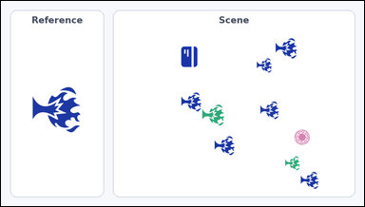 | 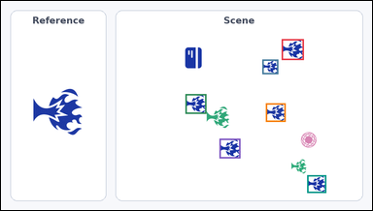 | task_icons_counting_attribute_binding | attribute_binding_type_color_orientation | Use the image containing a Reference icon on the left and a Scene panel of icons on the right. How many icons in the Scene panel match the Reference icon in icon type, color, and orientation all at once? Orientation refers to the icon's rotation. Return a valid JSON object with keys "evidence" and "answer" in that order. Evidence field: set "evidence" to a JSON array of [x_min, y_min, x_max, y_max] boxes in image pixel coordinates for all icons in the Scene panel that match the Reference icon in icon type, color, and orientation, sorted from top to bottom and then left to right. Answer field: set "answer" to the count as an integer. Example JSON: {"evidence":[[322,150,392,220],[584,320,654,390]],"answer":2} | Use the image containing a Reference icon on the left and a Scene panel of icons on the right. How many icons in the Scene panel match the Reference icon in icon type, color, and orientation all at once? Orientation refers to the icon's rotation. Return a valid JSON object with key "answer". Answer requirement: set "answer" to the count as an integer. Example JSON: {"answer":2} | {"evidence": [[726, 99, 783, 153], [676, 152, 717, 190], [477, 242, 531, 293], [685, 266, 736, 314], [565, 358, 619, 409], [792, 453, 841, 499]], "answer": 6} | [[726, 99, 783, 153], [676, 152, 717, 190], [477, 242, 531, 293], [685, 266, 736, 314], [565, 358, 619, 409], [792, 453, 841, 499]] | integer | bbox_set | 777325446959351 | icons/task_icons_counting_attribute_binding/images/default/0014.png | icons/task_icons_counting_attribute_binding/data/default/0014.json
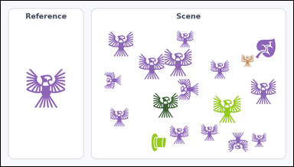 | 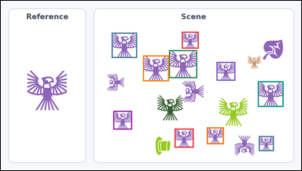 | task_icons_counting_attribute_binding | attribute_binding_type_color_orientation | You are given an image with a Reference icon on the left and a Scene panel of icons on the right. Answer this question: How many icons in the Scene panel match the Reference icon in icon type, color, and orientation all at once? Orientation refers to the icon's rotation. Return a valid JSON object with keys "evidence" and "answer" in that order. Evidence format: set "evidence" to a JSON array of [x_min, y_min, x_max, y_max] boxes in image pixel coordinates for all icons in the Scene panel that match the Reference icon in icon type, color, and orientation, sorted from top to bottom and then left to right. Answer requirement: set "answer" to the count as an integer. Example JSON: {"evidence":[[322,150,392,220],[584,320,654,390]],"answer":2} | You are given an image with a Reference icon on the left and a Scene panel of icons on the right. Answer this question: How many icons in the Scene panel match the Reference icon in icon type, color, and orientation all at once? Orientation refers to the icon's rotation. Return a valid JSON object with key "answer". Answer format: set "answer" to the count as an integer. Example JSON: {"answer":2} | {"evidence": [[578, 99, 632, 153], [354, 102, 435, 183], [537, 158, 627, 248], [454, 175, 537, 258], [689, 196, 749, 256], [821, 258, 903, 340], [359, 353, 419, 413], [658, 406, 712, 460], [555, 410, 616, 471], [824, 434, 872, 482]], "answer": 10} | [[578, 99, 632, 153], [354, 102, 435, 183], [537, 158, 627, 248], [454, 175, 537, 258], [689, 196, 749, 256], [821, 258, 903, 340], [359, 353, 419, 413], [658, 406, 712, 460], [555, 410, 616, 471], [824, 434, 872, 482]] | integer | bbox_set | 865643725481677 | icons/task_icons_counting_attribute_binding/images/default/0015.png | icons/task_icons_counting_attribute_binding/data/default/0015.json
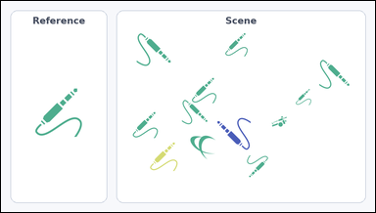 | 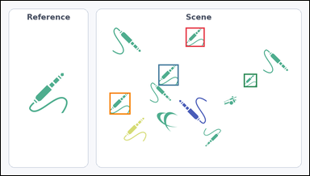 | task_icons_counting_attribute_binding | attribute_binding_type_color_orientation | Use the image containing a Reference icon on the left and a Scene panel of icons on the right. How many icons in the Scene panel match the Reference icon in icon type, color, and orientation all at once? Orientation refers to the icon's rotation. Return a valid JSON object with keys "evidence" and "answer" in that order. Evidence field: set "evidence" to a JSON array of [x_min, y_min, x_max, y_max] boxes in image pixel coordinates for all icons in the Scene panel that match the Reference icon in icon type, color, and orientation, sorted from top to bottom and then left to right. Answer field: set "answer" to the count as an integer. Example JSON: {"evidence":[[322,150,392,220],[584,320,654,390]],"answer":2} | Use the image containing a Reference icon on the left and a Scene panel of icons on the right. How many icons in the Scene panel match the Reference icon in icon type, color, and orientation all at once? Orientation refers to the icon's rotation. Return a valid JSON object with key "answer". Answer: set "answer" to the count as an integer. Example JSON: {"answer":2} | {"evidence": [[575, 83, 634, 143], [490, 198, 553, 264], [756, 227, 797, 269], [338, 286, 403, 354]], "answer": 4} | [[575, 83, 634, 143], [490, 198, 553, 264], [756, 227, 797, 269], [338, 286, 403, 354]] | integer | bbox_set | 875787055736571 | icons/task_icons_counting_attribute_binding/images/default/0007.png | icons/task_icons_counting_attribute_binding/data/default/0007.json
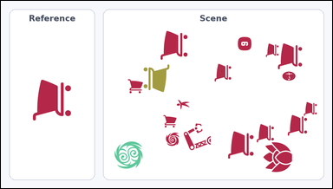 | 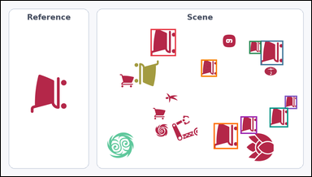 | task_icons_counting_attribute_binding | attribute_binding_type_color_orientation | Work from the image with a Reference icon on the left and a Scene panel of icons on the right. Answer this question: How many icons in the Scene panel match the Reference icon in icon type, color, and orientation all at once? Orientation refers to the icon's rotation. Return a valid JSON object with keys "evidence" and "answer" in that order. Evidence field: set "evidence" to a JSON array of [x_min, y_min, x_max, y_max] boxes in image pixel coordinates for all icons in the Scene panel that match the Reference icon in icon type, color, and orientation, sorted from top to bottom and then left to right. Answer field: set "answer" to the count as an integer. Example JSON: {"evidence":[[322,150,392,220],[584,320,654,390]],"answer":2} | Work from the image with a Reference icon on the left and a Scene panel of icons on the right. Answer this question: How many icons in the Scene panel match the Reference icon in icon type, color, and orientation all at once? Orientation refers to the icon's rotation. Return a valid JSON object with key "answer". Answer: set "answer" to the count as an integer. Example JSON: {"answer":2} | {"evidence": [[463, 87, 541, 171], [803, 123, 873, 199], [768, 124, 805, 164], [619, 182, 668, 235], [878, 294, 916, 335], [831, 331, 888, 392], [741, 358, 792, 412], [658, 379, 733, 459]], "answer": 8} | [[463, 87, 541, 171], [803, 123, 873, 199], [768, 124, 805, 164], [619, 182, 668, 235], [878, 294, 916, 335], [831, 331, 888, 392], [741, 358, 792, 412], [658, 379, 733, 459]] | integer | bbox_set | 1.027862399E+15 | icons/task_icons_counting_attribute_binding/images/default/0004.png | icons/task_icons_counting_attribute_binding/data/default/0004.json
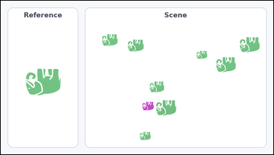 | 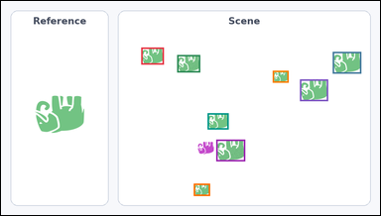 | task_icons_counting_attribute_binding | attribute_binding_type_color_orientation | Use the image containing a Reference icon on the left and a Scene panel of icons on the right. Task: How many icons in the Scene panel match the Reference icon in icon type, color, and orientation all at once? Orientation refers to the icon's rotation. Return a valid JSON object with keys "evidence" and "answer" in that order. Evidence format: set "evidence" to a JSON array of [x_min, y_min, x_max, y_max] boxes in image pixel coordinates for all icons in the Scene panel that match the Reference icon in icon type, color, and orientation, sorted from top to bottom and then left to right. Answer requirement: set "answer" to the count as an integer. Example JSON: {"evidence":[[322,150,392,220],[584,320,654,390]],"answer":2} | Use the image containing a Reference icon on the left and a Scene panel of icons on the right. Task: How many icons in the Scene panel match the Reference icon in icon type, color, and orientation all at once? Orientation refers to the icon's rotation. Return a valid JSON object with key "answer". Answer format: set "answer" to the count as an integer. Example JSON: {"answer":2} | {"evidence": [[355, 118, 412, 161], [840, 129, 912, 184], [446, 137, 504, 181], [688, 177, 728, 207], [757, 199, 828, 254], [523, 285, 576, 326], [545, 352, 618, 407], [488, 464, 529, 495]], "answer": 8} | [[355, 118, 412, 161], [840, 129, 912, 184], [446, 137, 504, 181], [688, 177, 728, 207], [757, 199, 828, 254], [523, 285, 576, 326], [545, 352, 618, 407], [488, 464, 529, 495]] | integer | bbox_set | 1.2164699069E+15 | icons/task_icons_counting_attribute_binding/images/default/0010.png | icons/task_icons_counting_attribute_binding/data/default/0010.json
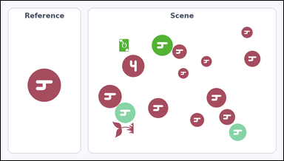 | 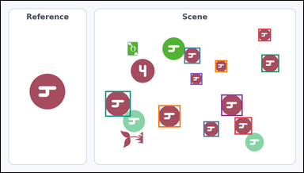 | task_icons_counting_attribute_binding | attribute_binding_type_color_orientation | You are given an image with a Reference icon on the left and a Scene panel of icons on the right. Question: How many icons in the Scene panel match the Reference icon in icon type, color, and orientation all at once? Orientation refers to the icon's rotation. Return a valid JSON object with keys "evidence" and "answer" in that order. Evidence: set "evidence" to a JSON array of [x_min, y_min, x_max, y_max] boxes in image pixel coordinates for all icons in the Scene panel that match the Reference icon in icon type, color, and orientation, sorted from top to bottom and then left to right. Answer: set "answer" to the count as an integer. Example JSON: {"evidence":[[322,150,392,220],[584,320,654,390]],"answer":2} | You are given an image with a Reference icon on the left and a Scene panel of icons on the right. Question: How many icons in the Scene panel match the Reference icon in icon type, color, and orientation all at once? Orientation refers to the icon's rotation. Return a valid JSON object with key "answer". Answer field: set "answer" to the count as an integer. Example JSON: {"answer":2} | {"evidence": [[817, 88, 857, 128], [582, 148, 633, 199], [827, 170, 883, 226], [680, 188, 718, 226], [602, 229, 639, 266], [331, 286, 412, 367], [699, 297, 767, 365], [500, 331, 570, 401], [742, 369, 797, 424], [643, 382, 692, 431]], "answer": 10} | [[817, 88, 857, 128], [582, 148, 633, 199], [827, 170, 883, 226], [680, 188, 718, 226], [602, 229, 639, 266], [331, 286, 412, 367], [699, 297, 767, 365], [500, 331, 570, 401], [742, 369, 797, 424], [643, 382, 692, 431]] | integer | bbox_set | 1.2889532677E+15 | icons/task_icons_counting_attribute_binding/images/default/0021.png | icons/task_icons_counting_attribute_binding/data/default/0021.json
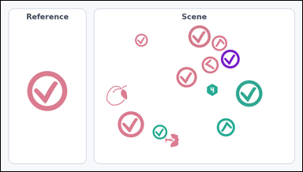 | 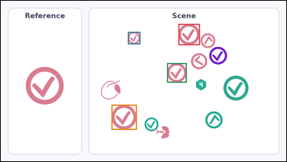 | task_icons_counting_attribute_binding | attribute_binding_type_color_orientation | Look at the image with a Reference icon on the left and a Scene panel of icons on the right. Task: How many icons in the Scene panel match the Reference icon in icon type, color, and orientation all at once? Orientation refers to the icon's rotation. Return a valid JSON object with keys "evidence" and "answer" in that order. Evidence rule: set "evidence" to a JSON array of [x_min, y_min, x_max, y_max] boxes in image pixel coordinates for all icons in the Scene panel that match the Reference icon in icon type, color, and orientation, sorted from top to bottom and then left to right. Answer rule: set "answer" to the count as an integer. Example JSON: {"evidence":[[322,150,392,220],[584,320,654,390]],"answer":2} | Look at the image with a Reference icon on the left and a Scene panel of icons on the right. Task: How many icons in the Scene panel match the Reference icon in icon type, color, and orientation all at once? Orientation refers to the icon's rotation. Return a valid JSON object with key "answer". Answer requirement: set "answer" to the count as an integer. Example JSON: {"answer":2} | {"evidence": [[597, 78, 669, 150], [427, 105, 469, 147], [559, 211, 625, 277], [372, 352, 457, 437]], "answer": 4} | [[597, 78, 669, 150], [427, 105, 469, 147], [559, 211, 625, 277], [372, 352, 457, 437]] | integer | bbox_set | 2.0709223202E+15 | icons/task_icons_counting_attribute_binding/images/default/0005.png | icons/task_icons_counting_attribute_binding/data/default/0005.json
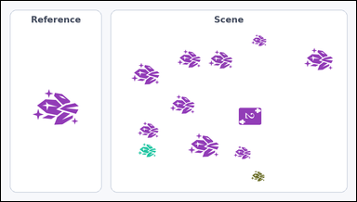 | 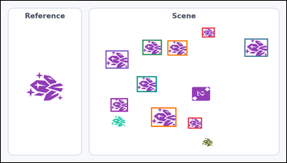 | task_icons_counting_attribute_binding | attribute_binding_type_color_orientation | Look at the image with a Reference icon on the left and a Scene panel of icons on the right. Question: How many icons in the Scene panel match the Reference icon in icon type, color, and orientation all at once? Orientation refers to the icon's rotation. Return a valid JSON object with keys "evidence" and "answer" in that order. Evidence format: set "evidence" to a JSON array of [x_min, y_min, x_max, y_max] boxes in image pixel coordinates for all icons in the Scene panel that match the Reference icon in icon type, color, and orientation, sorted from top to bottom and then left to right. Answer requirement: set "answer" to the count as an integer. Example JSON: {"evidence":[[322,150,392,220],[584,320,654,390]],"answer":2} | Look at the image with a Reference icon on the left and a Scene panel of icons on the right. Question: How many icons in the Scene panel match the Reference icon in icon type, color, and orientation all at once? Orientation refers to the icon's rotation. Return a valid JSON object with key "answer". Answer field: set "answer" to the count as an integer. Example JSON: {"answer":2} | {"evidence": [[676, 90, 719, 123], [819, 127, 898, 188], [476, 131, 541, 182], [560, 133, 627, 184], [352, 167, 429, 228], [457, 254, 524, 307], [369, 328, 427, 373], [505, 359, 590, 424], [629, 393, 676, 430]], "answer": 9} | [[676, 90, 719, 123], [819, 127, 898, 188], [476, 131, 541, 182], [560, 133, 627, 184], [352, 167, 429, 228], [457, 254, 524, 307], [369, 328, 427, 373], [505, 359, 590, 424], [629, 393, 676, 430]] | integer | bbox_set | 2.2757689583E+15 | icons/task_icons_counting_attribute_binding/images/default/0012.png | icons/task_icons_counting_attribute_binding/data/default/0012.json
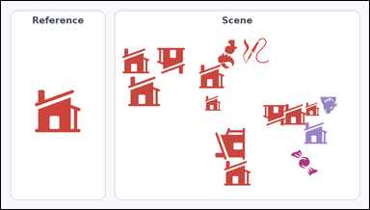 | 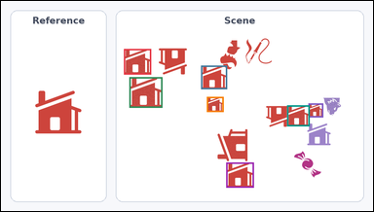 | task_icons_counting_attribute_binding | attribute_binding_type_color_orientation | Work from the image with a Reference icon on the left and a Scene panel of icons on the right. How many icons in the Scene panel match the Reference icon in icon type, color, and orientation all at once? Orientation refers to the icon's rotation. Return a valid JSON object with keys "evidence" and "answer" in that order. Evidence: set "evidence" to a JSON array of [x_min, y_min, x_max, y_max] boxes in image pixel coordinates for all icons in the Scene panel that match the Reference icon in icon type, color, and orientation, sorted from top to bottom and then left to right. Answer: set "answer" to the count as an integer. Example JSON: {"evidence":[[322,150,392,220],[584,320,654,390]],"answer":2} | Work from the image with a Reference icon on the left and a Scene panel of icons on the right. How many icons in the Scene panel match the Reference icon in icon type, color, and orientation all at once? Orientation refers to the icon's rotation. Return a valid JSON object with key "answer". Answer format: set "answer" to the count as an integer. Example JSON: {"answer":2} | {"evidence": [[317, 124, 387, 190], [516, 167, 583, 228], [331, 197, 416, 276], [531, 248, 574, 287], [793, 265, 831, 301], [738, 270, 796, 324], [581, 418, 652, 483]], "answer": 7} | [[317, 124, 387, 190], [516, 167, 583, 228], [331, 197, 416, 276], [531, 248, 574, 287], [793, 265, 831, 301], [738, 270, 796, 324], [581, 418, 652, 483]] | integer | bbox_set | 2.7112690924E+15 | icons/task_icons_counting_attribute_binding/images/default/0011.png | icons/task_icons_counting_attribute_binding/data/default/0011.json
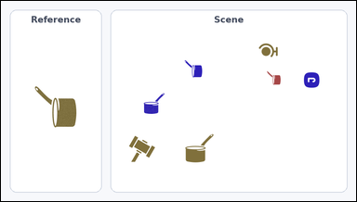 |  | task_icons_counting_attribute_binding | attribute_binding_type_color_orientation | Work from the image with a Reference icon on the left and a Scene panel of icons on the right. Answer this question: How many icons in the Scene panel match the Reference icon in icon type, color, and orientation all at once? Orientation refers to the icon's rotation. Return a valid JSON object with keys "evidence" and "answer" in that order. Evidence format: set "evidence" to a JSON array of [x_min, y_min, x_max, y_max] boxes in image pixel coordinates for all icons in the Scene panel that match the Reference icon in icon type, color, and orientation, sorted from top to bottom and then left to right. Answer requirement: set "answer" to the count as an integer. Example JSON: {"evidence":[[322,150,392,220],[584,320,654,390]],"answer":2} | Work from the image with a Reference icon on the left and a Scene panel of icons on the right. Answer this question: How many icons in the Scene panel match the Reference icon in icon type, color, and orientation all at once? Orientation refers to the icon's rotation. Return a valid JSON object with key "answer". Answer field: set "answer" to the count as an integer. Example JSON: {"answer":2} | {"evidence": [], "answer": 0} | [] | integer | bbox_set | 3.4057381828E+15 | icons/task_icons_counting_attribute_binding/images/default/0019.png | icons/task_icons_counting_attribute_binding/data/default/0019.json
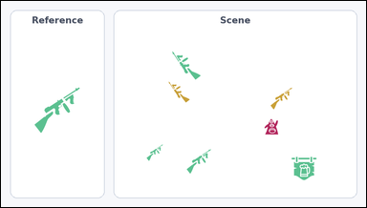 | 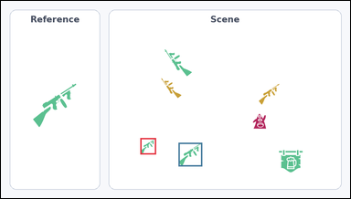 | task_icons_counting_attribute_binding | attribute_binding_type_color_orientation | Look at the image with a Reference icon on the left and a Scene panel of icons on the right. Question: How many icons in the Scene panel match the Reference icon in icon type, color, and orientation all at once? Orientation refers to the icon's rotation. Return a valid JSON object with keys "evidence" and "answer" in that order. Evidence field: set "evidence" to a JSON array of [x_min, y_min, x_max, y_max] boxes in image pixel coordinates for all icons in the Scene panel that match the Reference icon in icon type, color, and orientation, sorted from top to bottom and then left to right. Answer field: set "answer" to the count as an integer. Example JSON: {"evidence":[[322,150,392,220],[584,320,654,390]],"answer":2} | Look at the image with a Reference icon on the left and a Scene panel of icons on the right. Question: How many icons in the Scene panel match the Reference icon in icon type, color, and orientation all at once? Orientation refers to the icon's rotation. Return a valid JSON object with key "answer". Answer: set "answer" to the count as an integer. Example JSON: {"answer":2} | {"evidence": [[383, 378, 426, 423], [488, 391, 553, 456]], "answer": 2} | [[383, 378, 426, 423], [488, 391, 553, 456]] | integer | bbox_set | 4.0625826837E+15 | icons/task_icons_counting_attribute_binding/images/default/0002.png | icons/task_icons_counting_attribute_binding/data/default/0002.json
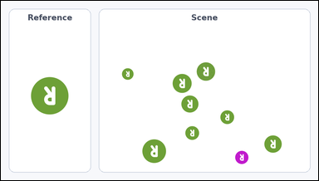 | 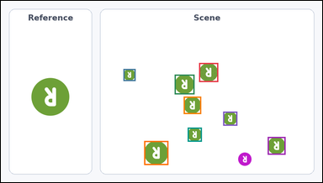 | task_icons_counting_attribute_binding | attribute_binding_type_color_orientation | The image shows a Reference icon on the left and a Scene panel of icons on the right. Determine the answer: How many icons in the Scene panel match the Reference icon in icon type, color, and orientation all at once? Orientation refers to the icon's rotation. Return a valid JSON object with keys "evidence" and "answer" in that order. Evidence format: set "evidence" to a JSON array of [x_min, y_min, x_max, y_max] boxes in image pixel coordinates for all icons in the Scene panel that match the Reference icon in icon type, color, and orientation, sorted from top to bottom and then left to right. Answer requirement: set "answer" to the count as an integer. Example JSON: {"evidence":[[322,150,392,220],[584,320,654,390]],"answer":2} | The image shows a Reference icon on the left and a Scene panel of icons on the right. Determine the answer: How many icons in the Scene panel match the Reference icon in icon type, color, and orientation all at once? Orientation refers to the icon's rotation. Return a valid JSON object with key "answer". Answer rule: set "answer" to the count as an integer. Example JSON: {"answer":2} | {"evidence": [[592, 186, 649, 243], [366, 204, 402, 240], [519, 221, 578, 280], [546, 287, 598, 339], [664, 332, 706, 374], [558, 380, 600, 422], [797, 408, 850, 461], [428, 420, 500, 492]], "answer": 8} | [[592, 186, 649, 243], [366, 204, 402, 240], [519, 221, 578, 280], [546, 287, 598, 339], [664, 332, 706, 374], [558, 380, 600, 422], [797, 408, 850, 461], [428, 420, 500, 492]] | integer | bbox_set | 4.5449417294E+15 | icons/task_icons_counting_attribute_binding/images/default/0009.png | icons/task_icons_counting_attribute_binding/data/default/0009.json
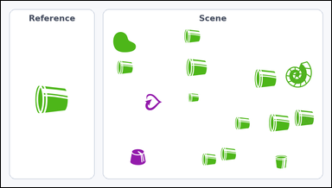 | 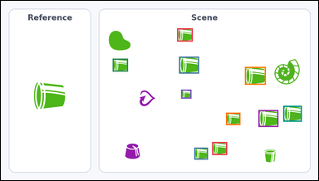 | task_icons_counting_attribute_binding | attribute_binding_type_color_orientation | You are given an image with a Reference icon on the left and a Scene panel of icons on the right. Task: How many icons in the Scene panel match the Reference icon in icon type, color, and orientation all at once? Orientation refers to the icon's rotation. Return a valid JSON object with keys "evidence" and "answer" in that order. Evidence: set "evidence" to a JSON array of [x_min, y_min, x_max, y_max] boxes in image pixel coordinates for all icons in the Scene panel that match the Reference icon in icon type, color, and orientation, sorted from top to bottom and then left to right. Answer: set "answer" to the count as an integer. Example JSON: {"evidence":[[322,150,392,220],[584,320,654,390]],"answer":2} | You are given an image with a Reference icon on the left and a Scene panel of icons on the right. Task: How many icons in the Scene panel match the Reference icon in icon type, color, and orientation all at once? Orientation refers to the icon's rotation. Return a valid JSON object with key "answer". Answer format: set "answer" to the count as an integer. Example JSON: {"answer":2} | {"evidence": [[533, 83, 580, 123], [539, 169, 599, 220], [338, 175, 384, 214], [738, 200, 801, 254], [545, 269, 576, 296], [854, 318, 910, 366], [779, 331, 839, 382], [681, 339, 724, 376], [639, 428, 684, 467], [585, 445, 626, 481]], "answer": 10} | [[533, 83, 580, 123], [539, 169, 599, 220], [338, 175, 384, 214], [738, 200, 801, 254], [545, 269, 576, 296], [854, 318, 910, 366], [779, 331, 839, 382], [681, 339, 724, 376], [639, 428, 684, 467], [585, 445, 626, 481]] | integer | bbox_set | 4.6804831581E+15 | icons/task_icons_counting_attribute_binding/images/default/0008.png | icons/task_icons_counting_attribute_binding/data/default/0008.json
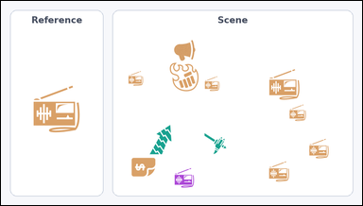 | 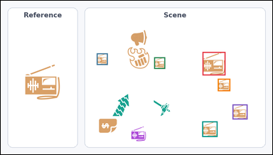 | task_icons_counting_attribute_binding | attribute_binding_type_color_orientation | The image shows a Reference icon on the left and a Scene panel of icons on the right. Determine the answer: How many icons in the Scene panel match the Reference icon in icon type, color, and orientation all at once? Orientation refers to the icon's rotation. Return a valid JSON object with keys "evidence" and "answer" in that order. Evidence: set "evidence" to a JSON array of [x_min, y_min, x_max, y_max] boxes in image pixel coordinates for all icons in the Scene panel that match the Reference icon in icon type, color, and orientation, sorted from top to bottom and then left to right. Answer: set "answer" to the count as an integer. Example JSON: {"evidence":[[322,150,392,220],[584,320,654,390]],"answer":2} | The image shows a Reference icon on the left and a Scene panel of icons on the right. Determine the answer: How many icons in the Scene panel match the Reference icon in icon type, color, and orientation all at once? Orientation refers to the icon's rotation. Return a valid JSON object with key "answer". Answer requirement: set "answer" to the count as an integer. Example JSON: {"answer":2} | {"evidence": [[713, 181, 794, 264], [339, 186, 378, 227], [542, 200, 581, 241], [767, 276, 811, 320], [819, 367, 872, 420], [712, 427, 766, 482]], "answer": 6} | [[713, 181, 794, 264], [339, 186, 378, 227], [542, 200, 581, 241], [767, 276, 811, 320], [819, 367, 872, 420], [712, 427, 766, 482]] | integer | bbox_set | 4.9503369647E+15 | icons/task_icons_counting_attribute_binding/images/default/0003.png | icons/task_icons_counting_attribute_binding/data/default/0003.json
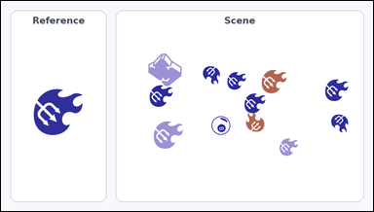 | 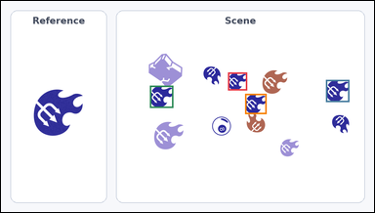 | task_icons_counting_attribute_binding | attribute_binding_type_color_orientation | Look at the image with a Reference icon on the left and a Scene panel of icons on the right. Answer this question: How many icons in the Scene panel match the Reference icon in icon type, color, and orientation all at once? Orientation refers to the icon's rotation. Return a valid JSON object with keys "evidence" and "answer" in that order. Evidence requirement: set "evidence" to a JSON array of [x_min, y_min, x_max, y_max] boxes in image pixel coordinates for all icons in the Scene panel that match the Reference icon in icon type, color, and orientation, sorted from top to bottom and then left to right. Answer format: set "answer" to the count as an integer. Example JSON: {"evidence":[[322,150,392,220],[584,320,654,390]],"answer":2} | Look at the image with a Reference icon on the left and a Scene panel of icons on the right. Answer this question: How many icons in the Scene panel match the Reference icon in icon type, color, and orientation all at once? Orientation refers to the icon's rotation. Return a valid JSON object with key "answer". Answer format: set "answer" to the count as an integer. Example JSON: {"answer":2} | {"evidence": [[584, 184, 633, 230], [836, 203, 896, 260], [383, 218, 443, 275], [628, 239, 683, 291]], "answer": 4} | [[584, 184, 633, 230], [836, 203, 896, 260], [383, 218, 443, 275], [628, 239, 683, 291]] | integer | bbox_set | 5.1831672034E+15 | icons/task_icons_counting_attribute_binding/images/default/0001.png | icons/task_icons_counting_attribute_binding/data/default/0001.json
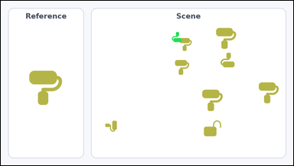 | 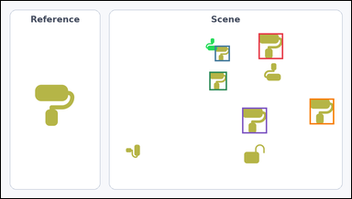 | task_icons_counting_attribute_binding | attribute_binding_type_color_orientation | Use the image containing a Reference icon on the left and a Scene panel of icons on the right. Task: How many icons in the Scene panel match the Reference icon in icon type, color, and orientation all at once? Orientation refers to the icon's rotation. Return a valid JSON object with keys "evidence" and "answer" in that order. Evidence rule: set "evidence" to a JSON array of [x_min, y_min, x_max, y_max] boxes in image pixel coordinates for all icons in the Scene panel that match the Reference icon in icon type, color, and orientation, sorted from top to bottom and then left to right. Answer rule: set "answer" to the count as an integer. Example JSON: {"evidence":[[322,150,392,220],[584,320,654,390]],"answer":2} | Use the image containing a Reference icon on the left and a Scene panel of icons on the right. Task: How many icons in the Scene panel match the Reference icon in icon type, color, and orientation all at once? Orientation refers to the icon's rotation. Return a valid JSON object with key "answer". Answer format: set "answer" to the count as an integer. Example JSON: {"answer":2} | {"evidence": [[706, 89, 773, 160], [586, 123, 627, 166], [571, 195, 619, 246], [846, 269, 913, 340], [661, 294, 729, 365]], "answer": 5} | [[706, 89, 773, 160], [586, 123, 627, 166], [571, 195, 619, 246], [846, 269, 913, 340], [661, 294, 729, 365]] | integer | bbox_set | 5.213552641E+15 | icons/task_icons_counting_attribute_binding/images/default/0016.png | icons/task_icons_counting_attribute_binding/data/default/0016.json
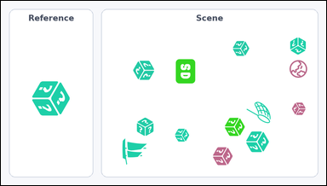 | 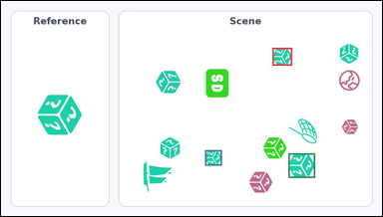 | task_icons_counting_attribute_binding | attribute_binding_type_color_orientation | Use the image containing a Reference icon on the left and a Scene panel of icons on the right. How many icons in the Scene panel match the Reference icon in icon type, color, and orientation all at once? Orientation refers to the icon's rotation. Return a valid JSON object with keys "evidence" and "answer" in that order. Evidence format: set "evidence" to a JSON array of [x_min, y_min, x_max, y_max] boxes in image pixel coordinates for all icons in the Scene panel that match the Reference icon in icon type, color, and orientation, sorted from top to bottom and then left to right. Answer requirement: set "answer" to the count as an integer. Example JSON: {"evidence":[[322,150,392,220],[584,320,654,390]],"answer":2} | Use the image containing a Reference icon on the left and a Scene panel of icons on the right. How many icons in the Scene panel match the Reference icon in icon type, color, and orientation all at once? Orientation refers to the icon's rotation. Return a valid JSON object with key "answer". Answer: set "answer" to the count as an integer. Example JSON: {"answer":2} | {"evidence": [[684, 118, 733, 163], [514, 377, 556, 416], [724, 385, 791, 447]], "answer": 3} | [[684, 118, 733, 163], [514, 377, 556, 416], [724, 385, 791, 447]] | integer | bbox_set | 5.3146887349E+15 | icons/task_icons_counting_attribute_binding/images/default/0000.png | icons/task_icons_counting_attribute_binding/data/default/0000.json
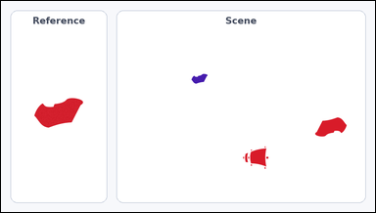 |  | task_icons_counting_attribute_binding | attribute_binding_type_color_orientation | Use the image containing a Reference icon on the left and a Scene panel of icons on the right. Determine the answer: How many icons in the Scene panel match the Reference icon in icon type, color, and orientation all at once? Orientation refers to the icon's rotation. Return a valid JSON object with keys "evidence" and "answer" in that order. Evidence field: set "evidence" to a JSON array of [x_min, y_min, x_max, y_max] boxes in image pixel coordinates for all icons in the Scene panel that match the Reference icon in icon type, color, and orientation, sorted from top to bottom and then left to right. Answer field: set "answer" to the count as an integer. Example JSON: {"evidence":[[322,150,392,220],[584,320,654,390]],"answer":2} | Use the image containing a Reference icon on the left and a Scene panel of icons on the right. Determine the answer: How many icons in the Scene panel match the Reference icon in icon type, color, and orientation all at once? Orientation refers to the icon's rotation. Return a valid JSON object with key "answer". Answer requirement: set "answer" to the count as an integer. Example JSON: {"answer":2} | {"evidence": [], "answer": 0} | [] | integer | bbox_set | 5.598482823E+15 | icons/task_icons_counting_attribute_binding/images/default/0023.png | icons/task_icons_counting_attribute_binding/data/default/0023.json
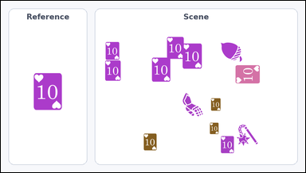 | 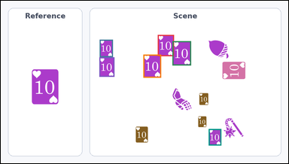 | task_icons_counting_attribute_binding | attribute_binding_type_color_orientation | Look at the image with a Reference icon on the left and a Scene panel of icons on the right. Determine the answer: How many icons in the Scene panel match the Reference icon in icon type, color, and orientation all at once? Orientation refers to the icon's rotation. Return a valid JSON object with keys "evidence" and "answer" in that order. Evidence rule: set "evidence" to a JSON array of [x_min, y_min, x_max, y_max] boxes in image pixel coordinates for all icons in the Scene panel that match the Reference icon in icon type, color, and orientation, sorted from top to bottom and then left to right. Answer rule: set "answer" to the count as an integer. Example JSON: {"evidence":[[322,150,392,220],[584,320,654,390]],"answer":2} | Look at the image with a Reference icon on the left and a Scene panel of icons on the right. Determine the answer: How many icons in the Scene panel match the Reference icon in icon type, color, and orientation all at once? Orientation refers to the icon's rotation. Return a valid JSON object with key "answer". Answer format: set "answer" to the count as an integer. Example JSON: {"answer":2} | {"evidence": [[524, 114, 578, 185], [330, 130, 374, 188], [573, 135, 635, 216], [476, 180, 535, 257], [329, 189, 379, 254], [694, 429, 736, 484]], "answer": 6} | [[524, 114, 578, 185], [330, 130, 374, 188], [573, 135, 635, 216], [476, 180, 535, 257], [329, 189, 379, 254], [694, 429, 736, 484]] | integer | bbox_set | 6.4675213845E+15 | icons/task_icons_counting_attribute_binding/images/default/0006.png | icons/task_icons_counting_attribute_binding/data/default/0006.json
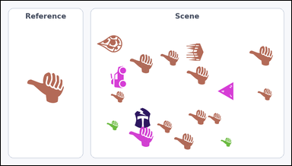 | 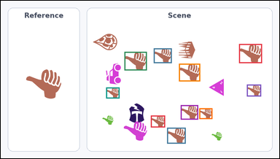 | task_icons_counting_attribute_binding | attribute_binding_type_color_orientation | The image shows a Reference icon on the left and a Scene panel of icons on the right. Question: How many icons in the Scene panel match the Reference icon in icon type, color, and orientation all at once? Orientation refers to the icon's rotation. Return a valid JSON object with keys "evidence" and "answer" in that order. Evidence: set "evidence" to a JSON array of [x_min, y_min, x_max, y_max] boxes in image pixel coordinates for all icons in the Scene panel that match the Reference icon in icon type, color, and orientation, sorted from top to bottom and then left to right. Answer: set "answer" to the count as an integer. Example JSON: {"evidence":[[322,150,392,220],[584,320,654,390]],"answer":2} | The image shows a Reference icon on the left and a Scene panel of icons on the right. Question: How many icons in the Scene panel match the Reference icon in icon type, color, and orientation all at once? Orientation refers to the icon's rotation. Return a valid JSON object with key "answer". Answer rule: set "answer" to the count as an integer. Example JSON: {"answer":2} | {"evidence": [[821, 149, 900, 215], [527, 164, 589, 215], [426, 176, 503, 240], [614, 217, 687, 278], [848, 289, 897, 330], [363, 299, 409, 337], [620, 360, 680, 410], [684, 371, 729, 408], [517, 396, 566, 437], [573, 438, 637, 493]], "answer": 10} | [[821, 149, 900, 215], [527, 164, 589, 215], [426, 176, 503, 240], [614, 217, 687, 278], [848, 289, 897, 330], [363, 299, 409, 337], [620, 360, 680, 410], [684, 371, 729, 408], [517, 396, 566, 437], [573, 438, 637, 493]] | integer | bbox_set | 6.6279447756E+15 | icons/task_icons_counting_attribute_binding/images/default/0018.png | icons/task_icons_counting_attribute_binding/data/default/0018.json
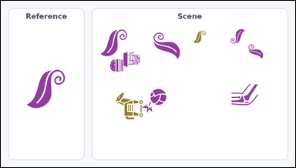 | 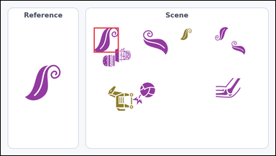 | task_icons_counting_attribute_binding | attribute_binding_type_color_orientation | You are given an image with a Reference icon on the left and a Scene panel of icons on the right. Question: How many icons in the Scene panel match the Reference icon in icon type, color, and orientation all at once? Orientation refers to the icon's rotation. Return a valid JSON object with keys "evidence" and "answer" in that order. Evidence rule: set "evidence" to a JSON array of [x_min, y_min, x_max, y_max] boxes in image pixel coordinates for all icons in the Scene panel that match the Reference icon in icon type, color, and orientation, sorted from top to bottom and then left to right. Answer rule: set "answer" to the count as an integer. Example JSON: {"evidence":[[322,150,392,220],[584,320,654,390]],"answer":2} | You are given an image with a Reference icon on the left and a Scene panel of icons on the right. Question: How many icons in the Scene panel match the Reference icon in icon type, color, and orientation all at once? Orientation refers to the icon's rotation. Return a valid JSON object with key "answer". Answer format: set "answer" to the count as an integer. Example JSON: {"answer":2} | {"evidence": [[325, 94, 412, 182]], "answer": 1} | [[325, 94, 412, 182]] | integer | bbox_set | 6.7642951495E+15 | icons/task_icons_counting_attribute_binding/images/default/0017.png | icons/task_icons_counting_attribute_binding/data/default/0017.json
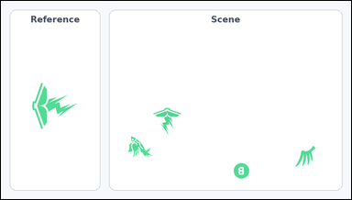 |  | task_icons_counting_attribute_binding | attribute_binding_type_color_orientation | You are given an image with a Reference icon on the left and a Scene panel of icons on the right. How many icons in the Scene panel match the Reference icon in icon type, color, and orientation all at once? Orientation refers to the icon's rotation. Return a valid JSON object with keys "evidence" and "answer" in that order. Evidence field: set "evidence" to a JSON array of [x_min, y_min, x_max, y_max] boxes in image pixel coordinates for all icons in the Scene panel that match the Reference icon in icon type, color, and orientation, sorted from top to bottom and then left to right. Answer field: set "answer" to the count as an integer. Example JSON: {"evidence":[[322,150,392,220],[584,320,654,390]],"answer":2} | You are given an image with a Reference icon on the left and a Scene panel of icons on the right. How many icons in the Scene panel match the Reference icon in icon type, color, and orientation all at once? Orientation refers to the icon's rotation. Return a valid JSON object with key "answer". Answer requirement: set "answer" to the count as an integer. Example JSON: {"answer":2} | {"evidence": [], "answer": 0} | [] | integer | bbox_set | 7.4434236637E+15 | icons/task_icons_counting_attribute_binding/images/default/0020.png | icons/task_icons_counting_attribute_binding/data/default/0020.json
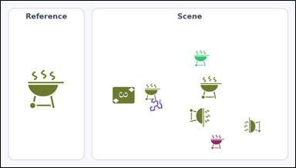 | 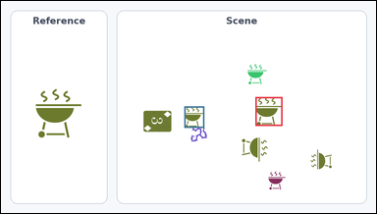 | task_icons_counting_attribute_binding | attribute_binding_type_color_orientation | Look at the image with a Reference icon on the left and a Scene panel of icons on the right. Determine the answer: How many icons in the Scene panel match the Reference icon in icon type, color, and orientation all at once? Orientation refers to the icon's rotation. Return a valid JSON object with keys "evidence" and "answer" in that order. Evidence field: set "evidence" to a JSON array of [x_min, y_min, x_max, y_max] boxes in image pixel coordinates for all icons in the Scene panel that match the Reference icon in icon type, color, and orientation, sorted from top to bottom and then left to right. Answer field: set "answer" to the count as an integer. Example JSON: {"evidence":[[322,150,392,220],[584,320,654,390]],"answer":2} | Look at the image with a Reference icon on the left and a Scene panel of icons on the right. Determine the answer: How many icons in the Scene panel match the Reference icon in icon type, color, and orientation all at once? Orientation refers to the icon's rotation. Return a valid JSON object with key "answer". Answer field: set "answer" to the count as an integer. Example JSON: {"answer":2} | {"evidence": [[651, 246, 720, 320], [469, 270, 520, 325]], "answer": 2} | [[651, 246, 720, 320], [469, 270, 520, 325]] | integer | bbox_set | 7.9975943751E+15 | icons/task_icons_counting_attribute_binding/images/default/0024.png | icons/task_icons_counting_attribute_binding/data/default/0024.json
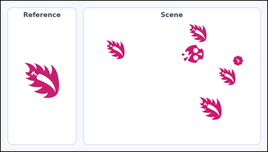 | 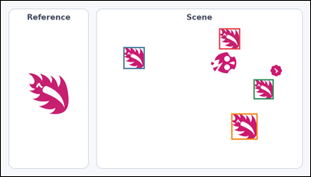 | task_icons_counting_attribute_binding | attribute_binding_type_color_orientation | You are given an image with a Reference icon on the left and a Scene panel of icons on the right. Task: How many icons in the Scene panel match the Reference icon in icon type, color, and orientation all at once? Orientation refers to the icon's rotation. Return a valid JSON object with keys "evidence" and "answer" in that order. Evidence requirement: set "evidence" to a JSON array of [x_min, y_min, x_max, y_max] boxes in image pixel coordinates for all icons in the Scene panel that match the Reference icon in icon type, color, and orientation, sorted from top to bottom and then left to right. Answer format: set "answer" to the count as an integer. Example JSON: {"evidence":[[322,150,392,220],[584,320,654,390]],"answer":2} | You are given an image with a Reference icon on the left and a Scene panel of icons on the right. Task: How many icons in the Scene panel match the Reference icon in icon type, color, and orientation all at once? Orientation refers to the icon's rotation. Return a valid JSON object with key "answer". Answer format: set "answer" to the count as an integer. Example JSON: {"answer":2} | {"evidence": [[677, 85, 742, 150], [380, 143, 446, 211], [784, 243, 846, 305], [715, 349, 796, 430]], "answer": 4} | [[677, 85, 742, 150], [380, 143, 446, 211], [784, 243, 846, 305], [715, 349, 796, 430]] | integer | bbox_set | 8.4194749358E+15 | icons/task_icons_counting_attribute_binding/images/default/0013.png | icons/task_icons_counting_attribute_binding/data/default/0013.json
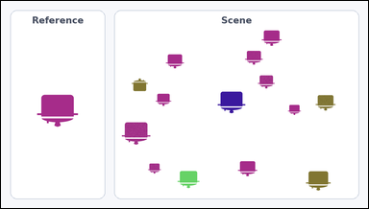 | 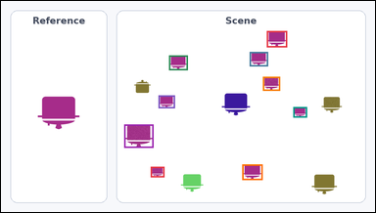 | task_icons_counting_attribute_binding | attribute_binding_type_color_orientation | The image shows a Reference icon on the left and a Scene panel of icons on the right. Task: How many icons in the Scene panel match the Reference icon in icon type, color, and orientation all at once? Orientation refers to the icon's rotation. Return a valid JSON object with keys "evidence" and "answer" in that order. Evidence format: set "evidence" to a JSON array of [x_min, y_min, x_max, y_max] boxes in image pixel coordinates for all icons in the Scene panel that match the Reference icon in icon type, color, and orientation, sorted from top to bottom and then left to right. Answer requirement: set "answer" to the count as an integer. Example JSON: {"evidence":[[322,150,392,220],[584,320,654,390]],"answer":2} | The image shows a Reference icon on the left and a Scene panel of icons on the right. Task: How many icons in the Scene panel match the Reference icon in icon type, color, and orientation all at once? Orientation refers to the icon's rotation. Return a valid JSON object with key "answer". Answer rule: set "answer" to the count as an integer. Example JSON: {"answer":2} | {"evidence": [[682, 77, 734, 119], [638, 131, 685, 168], [431, 140, 479, 178], [672, 195, 716, 231], [404, 243, 446, 276], [750, 273, 785, 300], [316, 318, 391, 378], [619, 421, 671, 461], [384, 427, 419, 454]], "answer": 9} | [[682, 77, 734, 119], [638, 131, 685, 168], [431, 140, 479, 178], [672, 195, 716, 231], [404, 243, 446, 276], [750, 273, 785, 300], [316, 318, 391, 378], [619, 421, 671, 461], [384, 427, 419, 454]] | integer | bbox_set | 8.5130603364E+15 | icons/task_icons_counting_attribute_binding/images/default/0022.png | icons/task_icons_counting_attribute_binding/data/default/0022.json

