same_icon_color
image | evidence_image | task | task_variant | prompt | prompt_answer_only | answer | answer_evidence | answer_type | evidence_type | instance_seed | image_path | data_path
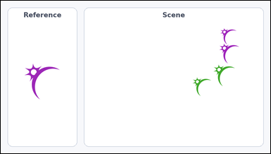 | 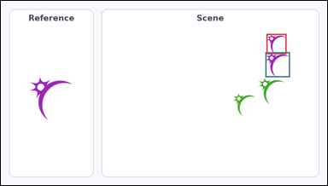 | task_icons_counting_color | same_icon_color | The image shows a Reference icon on the left and a Scene panel of icons on the right. Question: How many icons in the Scene panel have the same color as the Reference icon? Return a valid JSON object with keys "evidence" and "answer" in that order. Evidence rule: set "evidence" to a JSON array of [x_min, y_min, x_max, y_max] boxes in image pixel coordinates for all matching icons in the Scene panel, sorted from top to bottom and then left to right. Answer rule: set "answer" to the count as an integer. Example JSON: {"evidence":[[322,152,377,207],[756,318,820,382]],"answer":2} | The image shows a Reference icon on the left and a Scene panel of icons on the right. Question: How many icons in the Scene panel have the same color as the Reference icon? Return a valid JSON object with key "answer". Answer requirement: set "answer" to the count as an integer. Example JSON: {"answer":2} | {"evidence": [[781, 97, 840, 157], [778, 151, 850, 225]], "answer": 2} | [[781, 97, 840, 157], [778, 151, 850, 225]] | integer | bbox_set | 20862503451726 | icons/task_icons_counting_color/images/default/0004.png | icons/task_icons_counting_color/data/default/0004.json
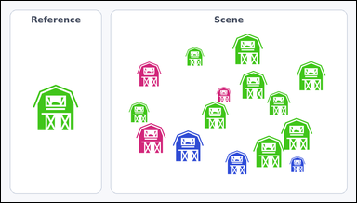 | 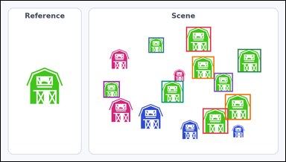 | task_icons_counting_color | same_icon_color | The image shows a Reference icon on the left and a Scene panel of icons on the right. Task: How many icons in the Scene panel have the same color as the Reference icon? Return a valid JSON object with keys "evidence" and "answer" in that order. Evidence format: set "evidence" to a JSON array of [x_min, y_min, x_max, y_max] boxes in image pixel coordinates for all matching icons in the Scene panel, sorted from top to bottom and then left to right. Answer requirement: set "answer" to the count as an integer. Example JSON: {"evidence":[[322,152,377,207],[756,318,820,382]],"answer":2} | The image shows a Reference icon on the left and a Scene panel of icons on the right. Task: How many icons in the Scene panel have the same color as the Reference icon? Return a valid JSON object with key "answer". Answer field: set "answer" to the count as an integer. Example JSON: {"answer":2} | {"evidence": [[625, 88, 709, 172], [498, 124, 550, 176], [799, 163, 878, 242], [645, 188, 720, 264], [719, 244, 783, 308], [542, 271, 616, 345], [346, 272, 401, 328], [756, 316, 843, 403], [681, 364, 767, 450]], "answer": 9} | [[625, 88, 709, 172], [498, 124, 550, 176], [799, 163, 878, 242], [645, 188, 720, 264], [719, 244, 783, 308], [542, 271, 616, 345], [346, 272, 401, 328], [756, 316, 843, 403], [681, 364, 767, 450]] | integer | bbox_set | 46405210515695 | icons/task_icons_counting_color/images/default/0020.png | icons/task_icons_counting_color/data/default/0020.json
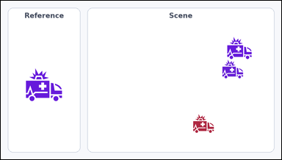 | 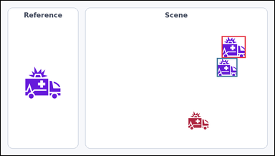 | task_icons_counting_color | same_icon_color | Use the image containing a Reference icon on the left and a Scene panel of icons on the right. How many icons in the Scene panel have the same color as the Reference icon? Return a valid JSON object with keys "evidence" and "answer" in that order. Evidence field: set "evidence" to a JSON array of [x_min, y_min, x_max, y_max] boxes in image pixel coordinates for all matching icons in the Scene panel, sorted from top to bottom and then left to right. Answer field: set "answer" to the count as an integer. Example JSON: {"evidence":[[322,152,377,207],[756,318,820,382]],"answer":2} | Use the image containing a Reference icon on the left and a Scene panel of icons on the right. How many icons in the Scene panel have the same color as the Reference icon? Return a valid JSON object with key "answer". Answer rule: set "answer" to the count as an integer. Example JSON: {"answer":2} | {"evidence": [[775, 124, 859, 201], [758, 201, 830, 267]], "answer": 2} | [[775, 124, 859, 201], [758, 201, 830, 267]] | integer | bbox_set | 928592277809748 | icons/task_icons_counting_color/images/default/0018.png | icons/task_icons_counting_color/data/default/0018.json
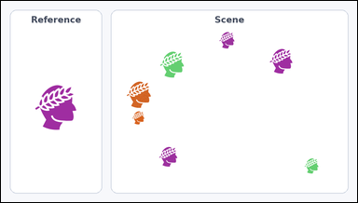 | 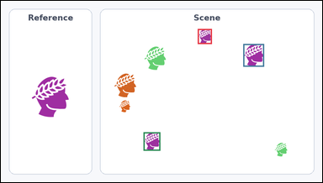 | task_icons_counting_color | same_icon_color | Look at the image with a Reference icon on the left and a Scene panel of icons on the right. Answer this question: How many icons in the Scene panel have the same color as the Reference icon? Return a valid JSON object with keys "evidence" and "answer" in that order. Evidence rule: set "evidence" to a JSON array of [x_min, y_min, x_max, y_max] boxes in image pixel coordinates for all matching icons in the Scene panel, sorted from top to bottom and then left to right. Answer rule: set "answer" to the count as an integer. Example JSON: {"evidence":[[322,152,377,207],[756,318,820,382]],"answer":2} | Look at the image with a Reference icon on the left and a Scene panel of icons on the right. Answer this question: How many icons in the Scene panel have the same color as the Reference icon? Return a valid JSON object with key "answer". Answer format: set "answer" to the count as an integer. Example JSON: {"answer":2} | {"evidence": [[588, 84, 630, 129], [724, 129, 786, 197], [426, 394, 476, 449]], "answer": 3} | [[588, 84, 630, 129], [724, 129, 786, 197], [426, 394, 476, 449]] | integer | bbox_set | 1.1942484923E+15 | icons/task_icons_counting_color/images/default/0022.png | icons/task_icons_counting_color/data/default/0022.json
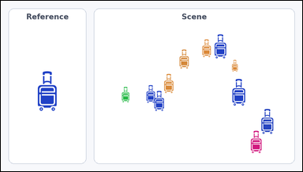 | 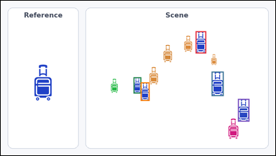 | task_icons_counting_color | same_icon_color | Work from the image with a Reference icon on the left and a Scene panel of icons on the right. Question: How many icons in the Scene panel have the same color as the Reference icon? Return a valid JSON object with keys "evidence" and "answer" in that order. Evidence rule: set "evidence" to a JSON array of [x_min, y_min, x_max, y_max] boxes in image pixel coordinates for all matching icons in the Scene panel, sorted from top to bottom and then left to right. Answer rule: set "answer" to the count as an integer. Example JSON: {"evidence":[[322,152,377,207],[756,318,820,382]],"answer":2} | Work from the image with a Reference icon on the left and a Scene panel of icons on the right. Question: How many icons in the Scene panel have the same color as the Reference icon? Return a valid JSON object with key "answer". Answer rule: set "answer" to the count as an integer. Example JSON: {"answer":2} | {"evidence": [[681, 107, 718, 185], [737, 249, 779, 335], [464, 269, 491, 326], [489, 287, 520, 352], [829, 345, 869, 425]], "answer": 5} | [[681, 107, 718, 185], [737, 249, 779, 335], [464, 269, 491, 326], [489, 287, 520, 352], [829, 345, 869, 425]] | integer | bbox_set | 1.2465052612E+15 | icons/task_icons_counting_color/images/default/0005.png | icons/task_icons_counting_color/data/default/0005.json
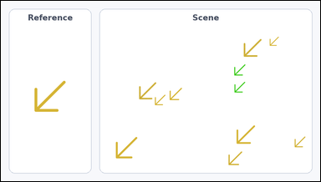 | 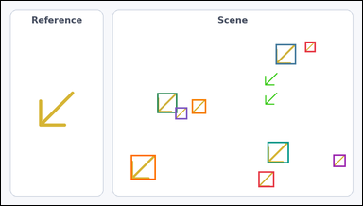 | task_icons_counting_color | same_icon_color | Use the image containing a Reference icon on the left and a Scene panel of icons on the right. Task: How many icons in the Scene panel have the same color as the Reference icon? Return a valid JSON object with keys "evidence" and "answer" in that order. Evidence requirement: set "evidence" to a JSON array of [x_min, y_min, x_max, y_max] boxes in image pixel coordinates for all matching icons in the Scene panel, sorted from top to bottom and then left to right. Answer format: set "answer" to the count as an integer. Example JSON: {"evidence":[[322,152,377,207],[756,318,820,382]],"answer":2} | Use the image containing a Reference icon on the left and a Scene panel of icons on the right. Task: How many icons in the Scene panel have the same color as the Reference icon? Return a valid JSON object with key "answer". Answer rule: set "answer" to the count as an integer. Example JSON: {"answer":2} | {"evidence": [[808, 108, 836, 136], [730, 115, 784, 169], [415, 245, 468, 298], [507, 262, 545, 300], [463, 283, 495, 315], [708, 375, 765, 432], [883, 409, 916, 442], [345, 410, 411, 476], [684, 454, 726, 496]], "answer": 9} | [[808, 108, 836, 136], [730, 115, 784, 169], [415, 245, 468, 298], [507, 262, 545, 300], [463, 283, 495, 315], [708, 375, 765, 432], [883, 409, 916, 442], [345, 410, 411, 476], [684, 454, 726, 496]] | integer | bbox_set | 1.6235975617E+15 | icons/task_icons_counting_color/images/default/0011.png | icons/task_icons_counting_color/data/default/0011.json
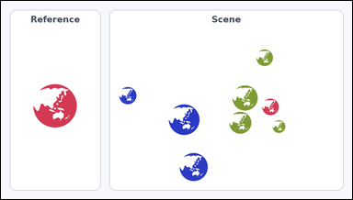 |  | task_icons_counting_color | same_icon_color | The image shows a Reference icon on the left and a Scene panel of icons on the right. Answer this question: How many icons in the Scene panel have the same color as the Reference icon? Return a valid JSON object with keys "evidence" and "answer" in that order. Evidence rule: set "evidence" to a JSON array of [x_min, y_min, x_max, y_max] boxes in image pixel coordinates for all matching icons in the Scene panel, sorted from top to bottom and then left to right. Answer rule: set "answer" to the count as an integer. Example JSON: {"evidence":[[322,152,377,207],[756,318,820,382]],"answer":2} | The image shows a Reference icon on the left and a Scene panel of icons on the right. Answer this question: How many icons in the Scene panel have the same color as the Reference icon? Return a valid JSON object with key "answer". Answer requirement: set "answer" to the count as an integer. Example JSON: {"answer":2} | {"evidence": [[714, 268, 760, 314]], "answer": 1} | [[714, 268, 760, 314]] | integer | bbox_set | 1.7771669791E+15 | icons/task_icons_counting_color/images/default/0001.png | icons/task_icons_counting_color/data/default/0001.json
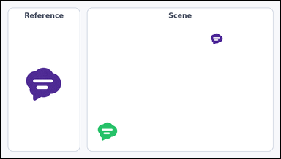 | 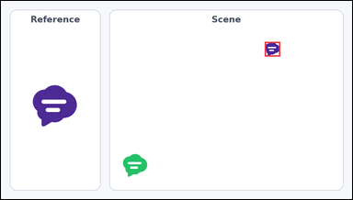 | task_icons_counting_color | same_icon_color | You are given an image with a Reference icon on the left and a Scene panel of icons on the right. How many icons in the Scene panel have the same color as the Reference icon? Return a valid JSON object with keys "evidence" and "answer" in that order. Evidence requirement: set "evidence" to a JSON array of [x_min, y_min, x_max, y_max] boxes in image pixel coordinates for all matching icons in the Scene panel, sorted from top to bottom and then left to right. Answer format: set "answer" to the count as an integer. Example JSON: {"evidence":[[322,152,377,207],[756,318,820,382]],"answer":2} | You are given an image with a Reference icon on the left and a Scene panel of icons on the right. How many icons in the Scene panel have the same color as the Reference icon? Return a valid JSON object with key "answer". Answer rule: set "answer" to the count as an integer. Example JSON: {"answer":2} | {"evidence": [[721, 112, 763, 152]], "answer": 1} | [[721, 112, 763, 152]] | integer | bbox_set | 2.120742731E+15 | icons/task_icons_counting_color/images/default/0000.png | icons/task_icons_counting_color/data/default/0000.json
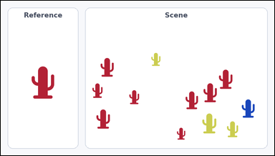 | 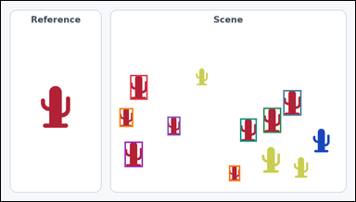 | task_icons_counting_color | same_icon_color | You are given an image with a Reference icon on the left and a Scene panel of icons on the right. Determine the answer: How many icons in the Scene panel have the same color as the Reference icon? Return a valid JSON object with keys "evidence" and "answer" in that order. Evidence: set "evidence" to a JSON array of [x_min, y_min, x_max, y_max] boxes in image pixel coordinates for all matching icons in the Scene panel, sorted from top to bottom and then left to right. Answer: set "answer" to the count as an integer. Example JSON: {"evidence":[[322,152,377,207],[756,318,820,382]],"answer":2} | You are given an image with a Reference icon on the left and a Scene panel of icons on the right. Determine the answer: How many icons in the Scene panel have the same color as the Reference icon? Return a valid JSON object with key "answer". Answer format: set "answer" to the count as an integer. Example JSON: {"answer":2} | {"evidence": [[350, 201, 397, 268], [765, 242, 814, 311], [711, 290, 759, 358], [321, 291, 358, 342], [451, 314, 486, 365], [648, 319, 693, 382], [335, 382, 384, 451], [618, 447, 648, 489]], "answer": 8} | [[350, 201, 397, 268], [765, 242, 814, 311], [711, 290, 759, 358], [321, 291, 358, 342], [451, 314, 486, 365], [648, 319, 693, 382], [335, 382, 384, 451], [618, 447, 648, 489]] | integer | bbox_set | 2.612508005E+15 | icons/task_icons_counting_color/images/default/0014.png | icons/task_icons_counting_color/data/default/0014.json
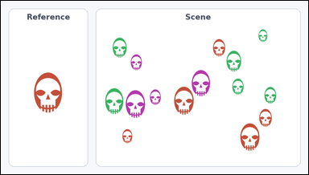 | 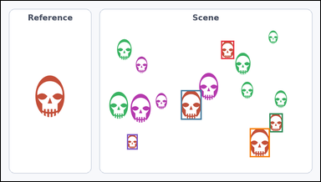 | task_icons_counting_color | same_icon_color | The image shows a Reference icon on the left and a Scene panel of icons on the right. Question: How many icons in the Scene panel have the same color as the Reference icon? Return a valid JSON object with keys "evidence" and "answer" in that order. Evidence requirement: set "evidence" to a JSON array of [x_min, y_min, x_max, y_max] boxes in image pixel coordinates for all matching icons in the Scene panel, sorted from top to bottom and then left to right. Answer format: set "answer" to the count as an integer. Example JSON: {"evidence":[[322,152,377,207],[756,318,820,382]],"answer":2} | The image shows a Reference icon on the left and a Scene panel of icons on the right. Question: How many icons in the Scene panel have the same color as the Reference icon? Return a valid JSON object with key "answer". Answer field: set "answer" to the count as an integer. Example JSON: {"answer":2} | {"evidence": [[662, 120, 701, 175], [541, 269, 603, 358], [807, 339, 847, 396], [748, 384, 808, 471], [379, 402, 411, 448]], "answer": 5} | [[662, 120, 701, 175], [541, 269, 603, 358], [807, 339, 847, 396], [748, 384, 808, 471], [379, 402, 411, 448]] | integer | bbox_set | 2.6642910762E+15 | icons/task_icons_counting_color/images/default/0007.png | icons/task_icons_counting_color/data/default/0007.json
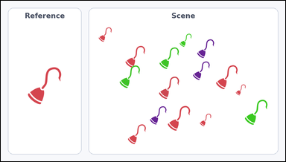 | 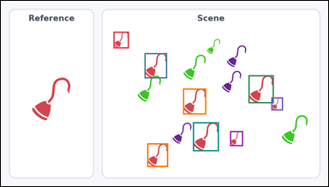 | task_icons_counting_color | same_icon_color | Look at the image with a Reference icon on the left and a Scene panel of icons on the right. Answer this question: How many icons in the Scene panel have the same color as the Reference icon? Return a valid JSON object with keys "evidence" and "answer" in that order. Evidence: set "evidence" to a JSON array of [x_min, y_min, x_max, y_max] boxes in image pixel coordinates for all matching icons in the Scene panel, sorted from top to bottom and then left to right. Answer: set "answer" to the count as an integer. Example JSON: {"evidence":[[322,152,377,207],[756,318,820,382]],"answer":2} | Look at the image with a Reference icon on the left and a Scene panel of icons on the right. Answer this question: How many icons in the Scene panel have the same color as the Reference icon? Return a valid JSON object with key "answer". Answer requirement: set "answer" to the count as an integer. Example JSON: {"answer":2} | {"evidence": [[330, 90, 375, 139], [421, 153, 487, 227], [726, 218, 800, 300], [534, 257, 602, 333], [793, 283, 827, 321], [563, 356, 639, 441], [672, 382, 710, 426], [429, 418, 490, 487]], "answer": 8} | [[330, 90, 375, 139], [421, 153, 487, 227], [726, 218, 800, 300], [534, 257, 602, 333], [793, 283, 827, 321], [563, 356, 639, 441], [672, 382, 710, 426], [429, 418, 490, 487]] | integer | bbox_set | 3.1416293318E+15 | icons/task_icons_counting_color/images/default/0002.png | icons/task_icons_counting_color/data/default/0002.json
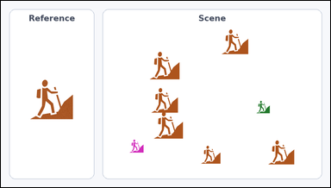 | 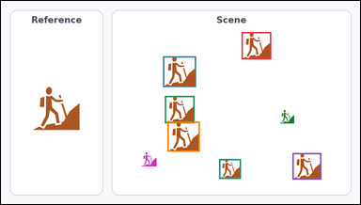 | task_icons_counting_color | same_icon_color | Work from the image with a Reference icon on the left and a Scene panel of icons on the right. Task: How many icons in the Scene panel have the same color as the Reference icon? Return a valid JSON object with keys "evidence" and "answer" in that order. Evidence requirement: set "evidence" to a JSON array of [x_min, y_min, x_max, y_max] boxes in image pixel coordinates for all matching icons in the Scene panel, sorted from top to bottom and then left to right. Answer format: set "answer" to the count as an integer. Example JSON: {"evidence":[[322,152,377,207],[756,318,820,382]],"answer":2} | Work from the image with a Reference icon on the left and a Scene panel of icons on the right. Task: How many icons in the Scene panel have the same color as the Reference icon? Return a valid JSON object with key "answer". Answer: set "answer" to the count as an integer. Example JSON: {"answer":2} | {"evidence": [[643, 83, 722, 156], [433, 148, 521, 230], [438, 254, 517, 327], [445, 323, 531, 403], [779, 407, 856, 478], [583, 423, 641, 476]], "answer": 6} | [[643, 83, 722, 156], [433, 148, 521, 230], [438, 254, 517, 327], [445, 323, 531, 403], [779, 407, 856, 478], [583, 423, 641, 476]] | integer | bbox_set | 3.5516906383E+15 | icons/task_icons_counting_color/images/default/0017.png | icons/task_icons_counting_color/data/default/0017.json
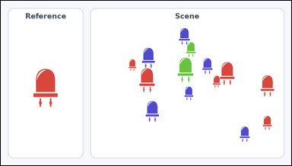 | 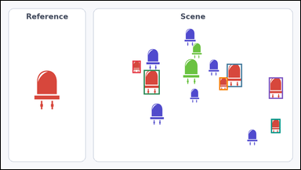 | task_icons_counting_color | same_icon_color | Work from the image with a Reference icon on the left and a Scene panel of icons on the right. Question: How many icons in the Scene panel have the same color as the Reference icon? Return a valid JSON object with keys "evidence" and "answer" in that order. Evidence field: set "evidence" to a JSON array of [x_min, y_min, x_max, y_max] boxes in image pixel coordinates for all matching icons in the Scene panel, sorted from top to bottom and then left to right. Answer field: set "answer" to the count as an integer. Example JSON: {"evidence":[[322,152,377,207],[756,318,820,382]],"answer":2} | Work from the image with a Reference icon on the left and a Scene panel of icons on the right. Question: How many icons in the Scene panel have the same color as the Reference icon? Return a valid JSON object with key "answer". Answer format: set "answer" to the count as an integer. Example JSON: {"answer":2} | {"evidence": [[422, 193, 448, 233], [724, 203, 773, 278], [458, 223, 509, 302], [700, 247, 727, 288], [859, 247, 904, 316], [866, 381, 896, 427]], "answer": 6} | [[422, 193, 448, 233], [724, 203, 773, 278], [458, 223, 509, 302], [700, 247, 727, 288], [859, 247, 904, 316], [866, 381, 896, 427]] | integer | bbox_set | 3.6170533908E+15 | icons/task_icons_counting_color/images/default/0010.png | icons/task_icons_counting_color/data/default/0010.json
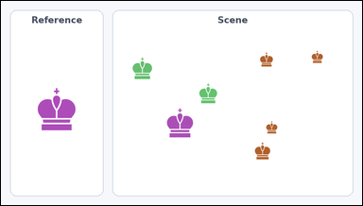 | 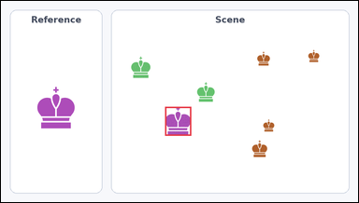 | task_icons_counting_color | same_icon_color | Work from the image with a Reference icon on the left and a Scene panel of icons on the right. Determine the answer: How many icons in the Scene panel have the same color as the Reference icon? Return a valid JSON object with keys "evidence" and "answer" in that order. Evidence: set "evidence" to a JSON array of [x_min, y_min, x_max, y_max] boxes in image pixel coordinates for all matching icons in the Scene panel, sorted from top to bottom and then left to right. Answer: set "answer" to the count as an integer. Example JSON: {"evidence":[[322,152,377,207],[756,318,820,382]],"answer":2} | Work from the image with a Reference icon on the left and a Scene panel of icons on the right. Determine the answer: How many icons in the Scene panel have the same color as the Reference icon? Return a valid JSON object with key "answer". Answer rule: set "answer" to the count as an integer. Example JSON: {"answer":2} | {"evidence": [[441, 286, 511, 364]], "answer": 1} | [[441, 286, 511, 364]] | integer | bbox_set | 4.3054242251E+15 | icons/task_icons_counting_color/images/default/0003.png | icons/task_icons_counting_color/data/default/0003.json
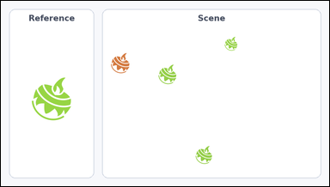 | 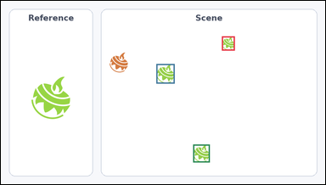 | task_icons_counting_color | same_icon_color | Look at the image with a Reference icon on the left and a Scene panel of icons on the right. How many icons in the Scene panel have the same color as the Reference icon? Return a valid JSON object with keys "evidence" and "answer" in that order. Evidence field: set "evidence" to a JSON array of [x_min, y_min, x_max, y_max] boxes in image pixel coordinates for all matching icons in the Scene panel, sorted from top to bottom and then left to right. Answer field: set "answer" to the count as an integer. Example JSON: {"evidence":[[322,152,377,207],[756,318,820,382]],"answer":2} | Look at the image with a Reference icon on the left and a Scene panel of icons on the right. How many icons in the Scene panel have the same color as the Reference icon? Return a valid JSON object with key "answer". Answer: set "answer" to the count as an integer. Example JSON: {"answer":2} | {"evidence": [[654, 105, 692, 147], [460, 187, 514, 245], [569, 426, 618, 479]], "answer": 3} | [[654, 105, 692, 147], [460, 187, 514, 245], [569, 426, 618, 479]] | integer | bbox_set | 4.4297954471E+15 | icons/task_icons_counting_color/images/default/0019.png | icons/task_icons_counting_color/data/default/0019.json
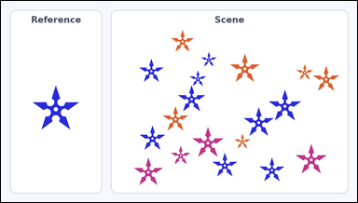 | 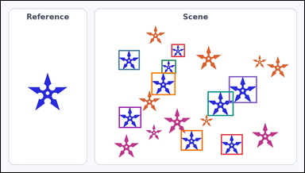 | task_icons_counting_color | same_icon_color | Use the image containing a Reference icon on the left and a Scene panel of icons on the right. How many icons in the Scene panel have the same color as the Reference icon? Return a valid JSON object with keys "evidence" and "answer" in that order. Evidence format: set "evidence" to a JSON array of [x_min, y_min, x_max, y_max] boxes in image pixel coordinates for all matching icons in the Scene panel, sorted from top to bottom and then left to right. Answer requirement: set "answer" to the count as an integer. Example JSON: {"evidence":[[322,152,377,207],[756,318,820,382]],"answer":2} | Use the image containing a Reference icon on the left and a Scene panel of icons on the right. How many icons in the Scene panel have the same color as the Reference icon? Return a valid JSON object with key "answer". Answer format: set "answer" to the count as an integer. Example JSON: {"answer":2} | {"evidence": [[539, 137, 582, 178], [372, 156, 439, 219], [508, 187, 554, 231], [476, 227, 552, 299], [721, 239, 810, 324], [654, 287, 736, 365], [373, 336, 444, 403], [569, 410, 638, 475], [696, 423, 765, 488]], "answer": 9} | [[539, 137, 582, 178], [372, 156, 439, 219], [508, 187, 554, 231], [476, 227, 552, 299], [721, 239, 810, 324], [654, 287, 736, 365], [373, 336, 444, 403], [569, 410, 638, 475], [696, 423, 765, 488]] | integer | bbox_set | 4.5327547435E+15 | icons/task_icons_counting_color/images/default/0015.png | icons/task_icons_counting_color/data/default/0015.json
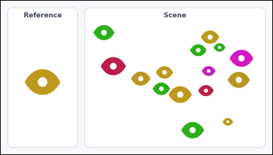 | 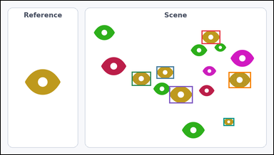 | task_icons_counting_color | same_icon_color | The image shows a Reference icon on the left and a Scene panel of icons on the right. Answer this question: How many icons in the Scene panel have the same color as the Reference icon? Return a valid JSON object with keys "evidence" and "answer" in that order. Evidence field: set "evidence" to a JSON array of [x_min, y_min, x_max, y_max] boxes in image pixel coordinates for all matching icons in the Scene panel, sorted from top to bottom and then left to right. Answer field: set "answer" to the count as an integer. Example JSON: {"evidence":[[322,152,377,207],[756,318,820,382]],"answer":2} | The image shows a Reference icon on the left and a Scene panel of icons on the right. Answer this question: How many icons in the Scene panel have the same color as the Reference icon? Return a valid JSON object with key "answer". Answer requirement: set "answer" to the count as an integer. Example JSON: {"answer":2} | {"evidence": [[707, 105, 773, 153], [548, 232, 610, 276], [461, 251, 529, 301], [802, 252, 881, 309], [593, 302, 676, 363], [784, 415, 822, 443]], "answer": 6} | [[707, 105, 773, 153], [548, 232, 610, 276], [461, 251, 529, 301], [802, 252, 881, 309], [593, 302, 676, 363], [784, 415, 822, 443]] | integer | bbox_set | 5.1671142001E+15 | icons/task_icons_counting_color/images/default/0016.png | icons/task_icons_counting_color/data/default/0016.json
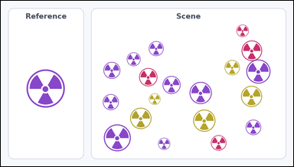 | 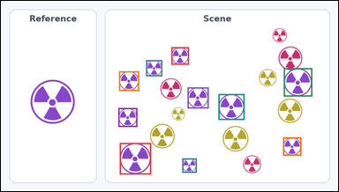 | task_icons_counting_color | same_icon_color | The image shows a Reference icon on the left and a Scene panel of icons on the right. Determine the answer: How many icons in the Scene panel have the same color as the Reference icon? Return a valid JSON object with keys "evidence" and "answer" in that order. Evidence rule: set "evidence" to a JSON array of [x_min, y_min, x_max, y_max] boxes in image pixel coordinates for all matching icons in the Scene panel, sorted from top to bottom and then left to right. Answer rule: set "answer" to the count as an integer. Example JSON: {"evidence":[[322,152,377,207],[756,318,820,382]],"answer":2} | The image shows a Reference icon on the left and a Scene panel of icons on the right. Determine the answer: How many icons in the Scene panel have the same color as the Reference icon? Return a valid JSON object with key "answer". Answer requirement: set "answer" to the count as an integer. Example JSON: {"answer":2} | {"evidence": [[485, 132, 535, 182], [413, 169, 459, 215], [805, 192, 886, 273], [336, 201, 393, 257], [531, 247, 591, 307], [619, 266, 693, 340], [334, 306, 388, 360], [803, 390, 855, 442], [338, 406, 427, 496], [516, 450, 557, 491]], "answer": 10} | [[485, 132, 535, 182], [413, 169, 459, 215], [805, 192, 886, 273], [336, 201, 393, 257], [531, 247, 591, 307], [619, 266, 693, 340], [334, 306, 388, 360], [803, 390, 855, 442], [338, 406, 427, 496], [516, 450, 557, 491]] | integer | bbox_set | 5.2247642625E+15 | icons/task_icons_counting_color/images/default/0008.png | icons/task_icons_counting_color/data/default/0008.json
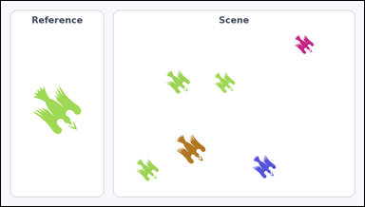 | 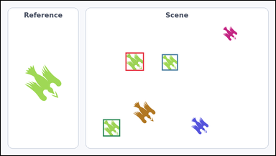 | task_icons_counting_color | same_icon_color | You are given an image with a Reference icon on the left and a Scene panel of icons on the right. How many icons in the Scene panel have the same color as the Reference icon? Return a valid JSON object with keys "evidence" and "answer" in that order. Evidence: set "evidence" to a JSON array of [x_min, y_min, x_max, y_max] boxes in image pixel coordinates for all matching icons in the Scene panel, sorted from top to bottom and then left to right. Answer: set "answer" to the count as an integer. Example JSON: {"evidence":[[322,152,377,207],[756,318,820,382]],"answer":2} | You are given an image with a Reference icon on the left and a Scene panel of icons on the right. How many icons in the Scene panel have the same color as the Reference icon? Return a valid JSON object with key "answer". Answer rule: set "answer" to the count as an integer. Example JSON: {"answer":2} | {"evidence": [[436, 182, 500, 246], [563, 188, 619, 245], [357, 417, 417, 477]], "answer": 3} | [[436, 182, 500, 246], [563, 188, 619, 245], [357, 417, 417, 477]] | integer | bbox_set | 5.3239248758E+15 | icons/task_icons_counting_color/images/default/0012.png | icons/task_icons_counting_color/data/default/0012.json
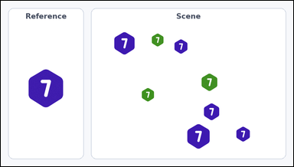 | 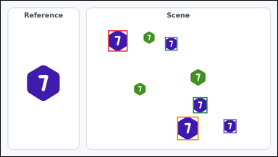 | task_icons_counting_color | same_icon_color | Work from the image with a Reference icon on the left and a Scene panel of icons on the right. How many icons in the Scene panel have the same color as the Reference icon? Return a valid JSON object with keys "evidence" and "answer" in that order. Evidence: set "evidence" to a JSON array of [x_min, y_min, x_max, y_max] boxes in image pixel coordinates for all matching icons in the Scene panel, sorted from top to bottom and then left to right. Answer: set "answer" to the count as an integer. Example JSON: {"evidence":[[322,152,377,207],[756,318,820,382]],"answer":2} | Work from the image with a Reference icon on the left and a Scene panel of icons on the right. How many icons in the Scene panel have the same color as the Reference icon? Return a valid JSON object with key "answer". Answer: set "answer" to the count as an integer. Example JSON: {"answer":2} | {"evidence": [[372, 103, 440, 177], [570, 127, 613, 174], [667, 337, 717, 393], [612, 405, 686, 487], [773, 414, 818, 463]], "answer": 5} | [[372, 103, 440, 177], [570, 127, 613, 174], [667, 337, 717, 393], [612, 405, 686, 487], [773, 414, 818, 463]] | integer | bbox_set | 5.565222833E+15 | icons/task_icons_counting_color/images/default/0023.png | icons/task_icons_counting_color/data/default/0023.json
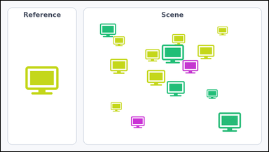 | 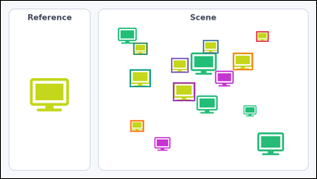 | task_icons_counting_color | same_icon_color | Work from the image with a Reference icon on the left and a Scene panel of icons on the right. Task: How many icons in the Scene panel have the same color as the Reference icon? Return a valid JSON object with keys "evidence" and "answer" in that order. Evidence format: set "evidence" to a JSON array of [x_min, y_min, x_max, y_max] boxes in image pixel coordinates for all matching icons in the Scene panel, sorted from top to bottom and then left to right. Answer requirement: set "answer" to the count as an integer. Example JSON: {"evidence":[[322,152,377,207],[756,318,820,382]],"answer":2} | Work from the image with a Reference icon on the left and a Scene panel of icons on the right. Task: How many icons in the Scene panel have the same color as the Reference icon? Return a valid JSON object with key "answer". Answer format: set "answer" to the count as an integer. Example JSON: {"answer":2} | {"evidence": [[777, 93, 815, 125], [615, 120, 662, 161], [403, 128, 446, 165], [706, 159, 767, 212], [518, 175, 571, 220], [392, 210, 456, 264], [524, 250, 591, 307], [394, 366, 435, 401]], "answer": 8} | [[777, 93, 815, 125], [615, 120, 662, 161], [403, 128, 446, 165], [706, 159, 767, 212], [518, 175, 571, 220], [392, 210, 456, 264], [524, 250, 591, 307], [394, 366, 435, 401]] | integer | bbox_set | 5.5841239599E+15 | icons/task_icons_counting_color/images/default/0006.png | icons/task_icons_counting_color/data/default/0006.json
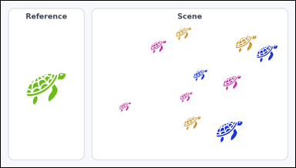 |  | task_icons_counting_color | same_icon_color | You are given an image with a Reference icon on the left and a Scene panel of icons on the right. Task: How many icons in the Scene panel have the same color as the Reference icon? Return a valid JSON object with keys "evidence" and "answer" in that order. Evidence requirement: set "evidence" to a JSON array of [x_min, y_min, x_max, y_max] boxes in image pixel coordinates for all matching icons in the Scene panel, sorted from top to bottom and then left to right. Answer format: set "answer" to the count as an integer. Example JSON: {"evidence":[[322,152,377,207],[756,318,820,382]],"answer":2} | You are given an image with a Reference icon on the left and a Scene panel of icons on the right. Task: How many icons in the Scene panel have the same color as the Reference icon? Return a valid JSON object with key "answer". Answer field: set "answer" to the count as an integer. Example JSON: {"answer":2} | {"evidence": [], "answer": 0} | [] | integer | bbox_set | 5.6534265148E+15 | icons/task_icons_counting_color/images/default/0013.png | icons/task_icons_counting_color/data/default/0013.json
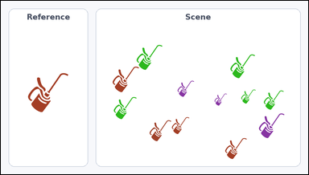 | 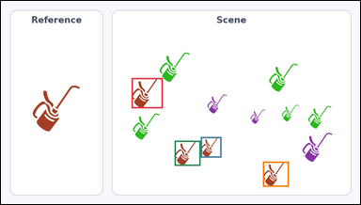 | task_icons_counting_color | same_icon_color | Look at the image with a Reference icon on the left and a Scene panel of icons on the right. Determine the answer: How many icons in the Scene panel have the same color as the Reference icon? Return a valid JSON object with keys "evidence" and "answer" in that order. Evidence requirement: set "evidence" to a JSON array of [x_min, y_min, x_max, y_max] boxes in image pixel coordinates for all matching icons in the Scene panel, sorted from top to bottom and then left to right. Answer format: set "answer" to the count as an integer. Example JSON: {"evidence":[[322,152,377,207],[756,318,820,382]],"answer":2} | Look at the image with a Reference icon on the left and a Scene panel of icons on the right. Determine the answer: How many icons in the Scene panel have the same color as the Reference icon? Return a valid JSON object with key "answer". Answer rule: set "answer" to the count as an integer. Example JSON: {"answer":2} | {"evidence": [[349, 206, 432, 287], [534, 364, 589, 419], [464, 374, 533, 441], [700, 430, 769, 497]], "answer": 4} | [[349, 206, 432, 287], [534, 364, 589, 419], [464, 374, 533, 441], [700, 430, 769, 497]] | integer | bbox_set | 6.1322471105E+15 | icons/task_icons_counting_color/images/default/0021.png | icons/task_icons_counting_color/data/default/0021.json
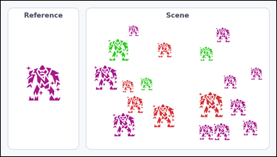 | 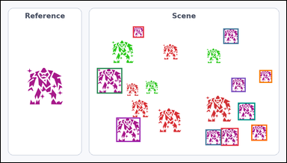 | task_icons_counting_color | same_icon_color | You are given an image with a Reference icon on the left and a Scene panel of icons on the right. Task: How many icons in the Scene panel have the same color as the Reference icon? Return a valid JSON object with keys "evidence" and "answer" in that order. Evidence format: set "evidence" to a JSON array of [x_min, y_min, x_max, y_max] boxes in image pixel coordinates for all matching icons in the Scene panel, sorted from top to bottom and then left to right. Answer requirement: set "answer" to the count as an integer. Example JSON: {"evidence":[[322,152,377,207],[756,318,820,382]],"answer":2} | You are given an image with a Reference icon on the left and a Scene panel of icons on the right. Task: How many icons in the Scene panel have the same color as the Reference icon? Return a valid JSON object with key "answer". Answer format: set "answer" to the count as an integer. Example JSON: {"answer":2} | {"evidence": [[444, 86, 481, 124], [748, 93, 799, 145], [323, 226, 408, 312], [869, 233, 912, 276], [775, 259, 823, 307], [797, 343, 855, 402], [388, 393, 469, 475], [842, 417, 895, 471], [740, 428, 799, 488], [688, 433, 741, 486]], "answer": 10} | [[444, 86, 481, 124], [748, 93, 799, 145], [323, 226, 408, 312], [869, 233, 912, 276], [775, 259, 823, 307], [797, 343, 855, 402], [388, 393, 469, 475], [842, 417, 895, 471], [740, 428, 799, 488], [688, 433, 741, 486]] | integer | bbox_set | 6.5674512681E+15 | icons/task_icons_counting_color/images/default/0009.png | icons/task_icons_counting_color/data/default/0009.json
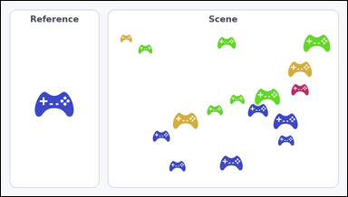 | 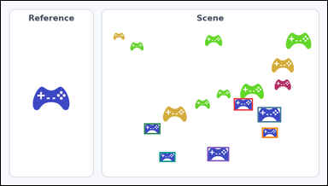 | task_icons_counting_color | same_icon_color | You are given an image with a Reference icon on the left and a Scene panel of icons on the right. Task: How many icons in the Scene panel have the same color as the Reference icon? Return a valid JSON object with keys "evidence" and "answer" in that order. Evidence rule: set "evidence" to a JSON array of [x_min, y_min, x_max, y_max] boxes in image pixel coordinates for all matching icons in the Scene panel, sorted from top to bottom and then left to right. Answer rule: set "answer" to the count as an integer. Example JSON: {"evidence":[[322,152,377,207],[756,318,820,382]],"answer":2} | You are given an image with a Reference icon on the left and a Scene panel of icons on the right. Task: How many icons in the Scene panel have the same color as the Reference icon? Return a valid JSON object with key "answer". Answer: set "answer" to the count as an integer. Example JSON: {"answer":2} | {"evidence": [[685, 287, 741, 323], [755, 313, 824, 358], [421, 361, 469, 393], [768, 374, 814, 404], [607, 431, 671, 473], [466, 446, 513, 475]], "answer": 6} | [[685, 287, 741, 323], [755, 313, 824, 358], [421, 361, 469, 393], [768, 374, 814, 404], [607, 431, 671, 473], [466, 446, 513, 475]] | integer | bbox_set | 8.5922296413E+15 | icons/task_icons_counting_color/images/default/0024.png | icons/task_icons_counting_color/data/default/0024.json

