same_orientation
image | evidence_image | task | task_variant | prompt | prompt_answer_only | answer | answer_evidence | answer_type | evidence_type | instance_seed | image_path | data_path
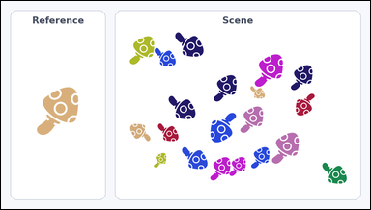 | 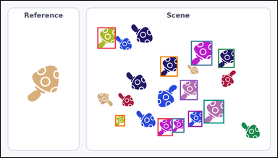 | task_icons_counting_orientation | same_orientation | Look at the image with a Reference icon on the left and a Scene panel of icons on the right. Determine the answer: How many icons in the Scene panel have the same orientation as the Reference icon? Orientation refers to the icon's rotation. Return a valid JSON object with keys "evidence" and "answer" in that order. Evidence field: set "evidence" to a JSON array of [x_min, y_min, x_max, y_max] boxes in image pixel coordinates for all matching icons in the Scene panel, sorted from top to bottom and then left to right. Answer field: set "answer" to the count as an integer. Example JSON: {"evidence":[[334,150,410,226],[588,318,664,394],[756,318,832,394]],"answer":3} | Look at the image with a Reference icon on the left and a Scene panel of icons on the right. Determine the answer: How many icons in the Scene panel have the same orientation as the Reference icon? Orientation refers to the icon's rotation. Return a valid JSON object with key "answer". Answer requirement: set "answer" to the count as an integer. Example JSON: {"answer":3} | {"evidence": [[335, 92, 399, 166], [660, 139, 734, 225], [754, 167, 811, 233], [553, 193, 614, 263], [622, 275, 683, 345], [704, 344, 775, 426], [650, 382, 699, 438], [397, 397, 431, 436], [544, 408, 597, 470], [594, 408, 637, 458]], "answer": 10} | [[335, 92, 399, 166], [660, 139, 734, 225], [754, 167, 811, 233], [553, 193, 614, 263], [622, 275, 683, 345], [704, 344, 775, 426], [650, 382, 699, 438], [397, 397, 431, 436], [544, 408, 597, 470], [594, 408, 637, 458]] | integer | bbox_set | 277791457710301 | icons/task_icons_counting_orientation/images/default/0012.png | icons/task_icons_counting_orientation/data/default/0012.json
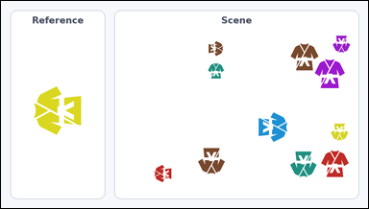 | 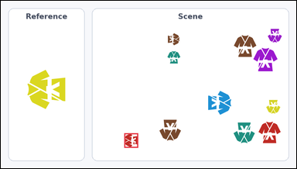 | task_icons_counting_orientation | same_orientation | You are given an image with a Reference icon on the left and a Scene panel of icons on the right. Answer this question: How many icons in the Scene panel have the same orientation as the Reference icon? Orientation refers to the icon's rotation. Return a valid JSON object with keys "evidence" and "answer" in that order. Evidence: set "evidence" to a JSON array of [x_min, y_min, x_max, y_max] boxes in image pixel coordinates for all matching icons in the Scene panel, sorted from top to bottom and then left to right. Answer: set "answer" to the count as an integer. Example JSON: {"evidence":[[334,150,410,226],[588,318,664,394],[756,318,832,394]],"answer":3} | You are given an image with a Reference icon on the left and a Scene panel of icons on the right. Answer this question: How many icons in the Scene panel have the same orientation as the Reference icon? Orientation refers to the icon's rotation. Return a valid JSON object with key "answer". Answer rule: set "answer" to the count as an integer. Example JSON: {"answer":3} | {"evidence": [[401, 430, 446, 477]], "answer": 1} | [[401, 430, 446, 477]] | integer | bbox_set | 884801135646576 | icons/task_icons_counting_orientation/images/default/0000.png | icons/task_icons_counting_orientation/data/default/0000.json
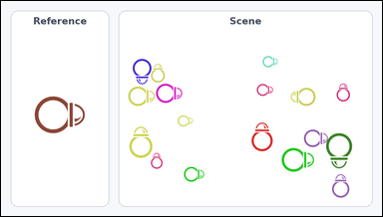 | 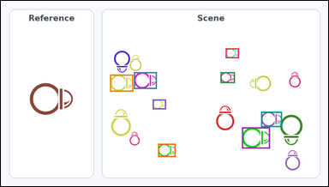 | task_icons_counting_orientation | same_orientation | Look at the image with a Reference icon on the left and a Scene panel of icons on the right. Answer this question: How many icons in the Scene panel have the same orientation as the Reference icon? Orientation refers to the icon's rotation. Return a valid JSON object with keys "evidence" and "answer" in that order. Evidence format: set "evidence" to a JSON array of [x_min, y_min, x_max, y_max] boxes in image pixel coordinates for all matching icons in the Scene panel, sorted from top to bottom and then left to right. Answer requirement: set "answer" to the count as an integer. Example JSON: {"evidence":[[334,150,410,226],[588,318,664,394],[756,318,832,394]],"answer":3} | Look at the image with a Reference icon on the left and a Scene panel of icons on the right. Answer this question: How many icons in the Scene panel have the same orientation as the Reference icon? Orientation refers to the icon's rotation. Return a valid JSON object with key "answer". Answer: set "answer" to the count as an integer. Example JSON: {"answer":3} | {"evidence": [[659, 139, 698, 168], [390, 209, 457, 258], [644, 209, 686, 241], [320, 216, 388, 266], [445, 289, 484, 318], [763, 325, 824, 370], [707, 371, 789, 433], [461, 419, 512, 458]], "answer": 8} | [[659, 139, 698, 168], [390, 209, 457, 258], [644, 209, 686, 241], [320, 216, 388, 266], [445, 289, 484, 318], [763, 325, 824, 370], [707, 371, 789, 433], [461, 419, 512, 458]] | integer | bbox_set | 2.0807656475E+15 | icons/task_icons_counting_orientation/images/default/0006.png | icons/task_icons_counting_orientation/data/default/0006.json
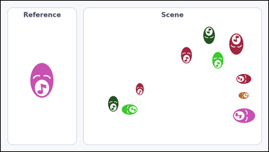 | 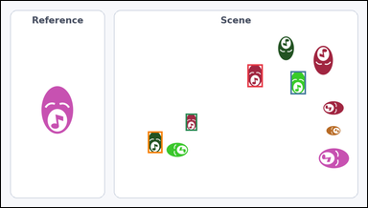 | task_icons_counting_orientation | same_orientation | Work from the image with a Reference icon on the left and a Scene panel of icons on the right. Determine the answer: How many icons in the Scene panel have the same orientation as the Reference icon? Orientation refers to the icon's rotation. Return a valid JSON object with keys "evidence" and "answer" in that order. Evidence format: set "evidence" to a JSON array of [x_min, y_min, x_max, y_max] boxes in image pixel coordinates for all matching icons in the Scene panel, sorted from top to bottom and then left to right. Answer requirement: set "answer" to the count as an integer. Example JSON: {"evidence":[[334,150,410,226],[588,318,664,394],[756,318,832,394]],"answer":3} | Work from the image with a Reference icon on the left and a Scene panel of icons on the right. Determine the answer: How many icons in the Scene panel have the same orientation as the Reference icon? Orientation refers to the icon's rotation. Return a valid JSON object with key "answer". Answer field: set "answer" to the count as an integer. Example JSON: {"answer":3} | {"evidence": [[646, 167, 686, 227], [759, 185, 799, 246], [484, 297, 514, 342], [385, 344, 423, 401]], "answer": 4} | [[646, 167, 686, 227], [759, 185, 799, 246], [484, 297, 514, 342], [385, 344, 423, 401]] | integer | bbox_set | 2.7654916467E+15 | icons/task_icons_counting_orientation/images/default/0010.png | icons/task_icons_counting_orientation/data/default/0010.json
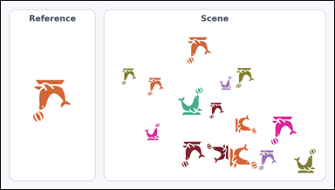 | 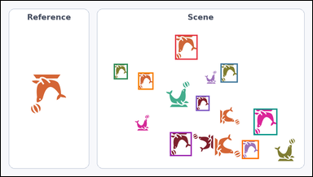 | task_icons_counting_orientation | same_orientation | Work from the image with a Reference icon on the left and a Scene panel of icons on the right. Determine the answer: How many icons in the Scene panel have the same orientation as the Reference icon? Orientation refers to the icon's rotation. Return a valid JSON object with keys "evidence" and "answer" in that order. Evidence requirement: set "evidence" to a JSON array of [x_min, y_min, x_max, y_max] boxes in image pixel coordinates for all matching icons in the Scene panel, sorted from top to bottom and then left to right. Answer format: set "answer" to the count as an integer. Example JSON: {"evidence":[[334,150,410,226],[588,318,664,394],[756,318,832,394]],"answer":3} | Work from the image with a Reference icon on the left and a Scene panel of icons on the right. Determine the answer: How many icons in the Scene panel have the same orientation as the Reference icon? Orientation refers to the icon's rotation. Return a valid JSON object with key "answer". Answer field: set "answer" to the count as an integer. Example JSON: {"answer":3} | {"evidence": [[537, 105, 606, 182], [677, 194, 730, 253], [348, 195, 391, 243], [423, 222, 470, 275], [601, 294, 643, 341], [779, 334, 852, 416], [521, 407, 588, 481], [743, 432, 795, 490]], "answer": 8} | [[537, 105, 606, 182], [677, 194, 730, 253], [348, 195, 391, 243], [423, 222, 470, 275], [601, 294, 643, 341], [779, 334, 852, 416], [521, 407, 588, 481], [743, 432, 795, 490]] | integer | bbox_set | 3.7890147677E+15 | icons/task_icons_counting_orientation/images/default/0022.png | icons/task_icons_counting_orientation/data/default/0022.json
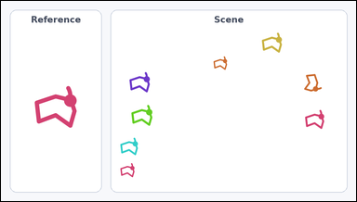 | 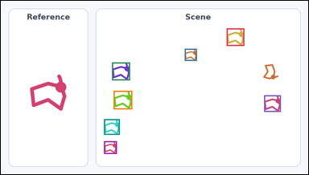 | task_icons_counting_orientation | same_orientation | Look at the image with a Reference icon on the left and a Scene panel of icons on the right. How many icons in the Scene panel have the same orientation as the Reference icon? Orientation refers to the icon's rotation. Return a valid JSON object with keys "evidence" and "answer" in that order. Evidence requirement: set "evidence" to a JSON array of [x_min, y_min, x_max, y_max] boxes in image pixel coordinates for all matching icons in the Scene panel, sorted from top to bottom and then left to right. Answer format: set "answer" to the count as an integer. Example JSON: {"evidence":[[334,150,410,226],[588,318,664,394],[756,318,832,394]],"answer":3} | Look at the image with a Reference icon on the left and a Scene panel of icons on the right. How many icons in the Scene panel have the same orientation as the Reference icon? Orientation refers to the icon's rotation. Return a valid JSON object with key "answer". Answer format: set "answer" to the count as an integer. Example JSON: {"answer":3} | {"evidence": [[705, 86, 760, 141], [574, 150, 612, 188], [347, 193, 403, 249], [352, 282, 410, 340], [822, 296, 874, 348], [322, 371, 371, 420], [322, 440, 362, 480]], "answer": 7} | [[705, 86, 760, 141], [574, 150, 612, 188], [347, 193, 403, 249], [352, 282, 410, 340], [822, 296, 874, 348], [322, 371, 371, 420], [322, 440, 362, 480]] | integer | bbox_set | 4.1226065124E+15 | icons/task_icons_counting_orientation/images/default/0014.png | icons/task_icons_counting_orientation/data/default/0014.json
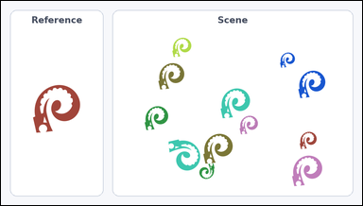 | 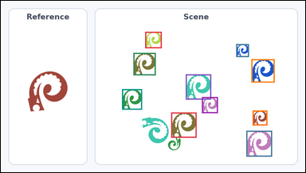 | task_icons_counting_orientation | same_orientation | Look at the image with a Reference icon on the left and a Scene panel of icons on the right. Determine the answer: How many icons in the Scene panel have the same orientation as the Reference icon? Orientation refers to the icon's rotation. Return a valid JSON object with keys "evidence" and "answer" in that order. Evidence requirement: set "evidence" to a JSON array of [x_min, y_min, x_max, y_max] boxes in image pixel coordinates for all matching icons in the Scene panel, sorted from top to bottom and then left to right. Answer format: set "answer" to the count as an integer. Example JSON: {"evidence":[[334,150,410,226],[588,318,664,394],[756,318,832,394]],"answer":3} | Look at the image with a Reference icon on the left and a Scene panel of icons on the right. Determine the answer: How many icons in the Scene panel have the same orientation as the Reference icon? Orientation refers to the icon's rotation. Return a valid JSON object with key "answer". Answer: set "answer" to the count as an integer. Example JSON: {"answer":3} | {"evidence": [[455, 98, 507, 150], [742, 137, 782, 178], [418, 165, 488, 236], [790, 185, 863, 259], [583, 233, 663, 313], [382, 280, 445, 345], [634, 305, 684, 356], [794, 348, 840, 395], [537, 354, 617, 434], [774, 412, 855, 494]], "answer": 10} | [[455, 98, 507, 150], [742, 137, 782, 178], [418, 165, 488, 236], [790, 185, 863, 259], [583, 233, 663, 313], [382, 280, 445, 345], [634, 305, 684, 356], [794, 348, 840, 395], [537, 354, 617, 434], [774, 412, 855, 494]] | integer | bbox_set | 4.5900700016E+15 | icons/task_icons_counting_orientation/images/default/0020.png | icons/task_icons_counting_orientation/data/default/0020.json
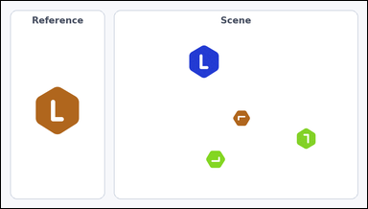 | 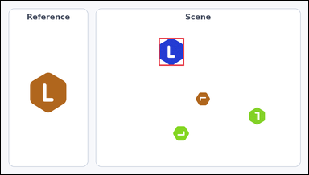 | task_icons_counting_orientation | same_orientation | Look at the image with a Reference icon on the left and a Scene panel of icons on the right. Answer this question: How many icons in the Scene panel have the same orientation as the Reference icon? Orientation refers to the icon's rotation. Return a valid JSON object with keys "evidence" and "answer" in that order. Evidence: set "evidence" to a JSON array of [x_min, y_min, x_max, y_max] boxes in image pixel coordinates for all matching icons in the Scene panel, sorted from top to bottom and then left to right. Answer: set "answer" to the count as an integer. Example JSON: {"evidence":[[334,150,410,226],[588,318,664,394],[756,318,832,394]],"answer":3} | Look at the image with a Reference icon on the left and a Scene panel of icons on the right. Answer this question: How many icons in the Scene panel have the same orientation as the Reference icon? Orientation refers to the icon's rotation. Return a valid JSON object with key "answer". Answer: set "answer" to the count as an integer. Example JSON: {"answer":3} | {"evidence": [[493, 116, 572, 203]], "answer": 1} | [[493, 116, 572, 203]] | integer | bbox_set | 5.3926032454E+15 | icons/task_icons_counting_orientation/images/default/0001.png | icons/task_icons_counting_orientation/data/default/0001.json
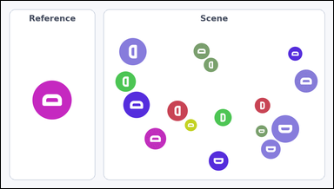 | 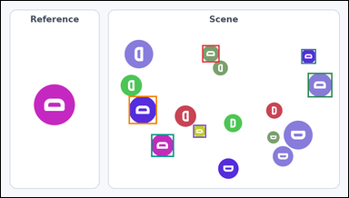 | task_icons_counting_orientation | same_orientation | The image shows a Reference icon on the left and a Scene panel of icons on the right. Task: How many icons in the Scene panel have the same orientation as the Reference icon? Orientation refers to the icon's rotation. Return a valid JSON object with keys "evidence" and "answer" in that order. Evidence: set "evidence" to a JSON array of [x_min, y_min, x_max, y_max] boxes in image pixel coordinates for all matching icons in the Scene panel, sorted from top to bottom and then left to right. Answer: set "answer" to the count as an integer. Example JSON: {"evidence":[[334,150,410,226],[588,318,664,394],[756,318,832,394]],"answer":3} | The image shows a Reference icon on the left and a Scene panel of icons on the right. Task: How many icons in the Scene panel have the same orientation as the Reference icon? Orientation refers to the icon's rotation. Return a valid JSON object with key "answer". Answer requirement: set "answer" to the count as an integer. Example JSON: {"answer":3} | {"evidence": [[556, 122, 604, 170], [830, 133, 871, 174], [848, 199, 916, 267], [353, 263, 431, 341], [531, 343, 567, 379], [415, 369, 478, 432]], "answer": 6} | [[556, 122, 604, 170], [830, 133, 871, 174], [848, 199, 916, 267], [353, 263, 431, 341], [531, 343, 567, 379], [415, 369, 478, 432]] | integer | bbox_set | 5.4767002362E+15 | icons/task_icons_counting_orientation/images/default/0021.png | icons/task_icons_counting_orientation/data/default/0021.json
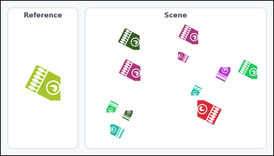 | 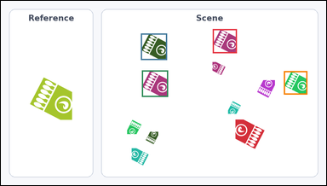 | task_icons_counting_orientation | same_orientation | Look at the image with a Reference icon on the left and a Scene panel of icons on the right. Question: How many icons in the Scene panel have the same orientation as the Reference icon? Orientation refers to the icon's rotation. Return a valid JSON object with keys "evidence" and "answer" in that order. Evidence format: set "evidence" to a JSON array of [x_min, y_min, x_max, y_max] boxes in image pixel coordinates for all matching icons in the Scene panel, sorted from top to bottom and then left to right. Answer requirement: set "answer" to the count as an integer. Example JSON: {"evidence":[[334,150,410,226],[588,318,664,394],[756,318,832,394]],"answer":3} | Look at the image with a Reference icon on the left and a Scene panel of icons on the right. Question: How many icons in the Scene panel have the same orientation as the Reference icon? Orientation refers to the icon's rotation. Return a valid JSON object with key "answer". Answer requirement: set "answer" to the count as an integer. Example JSON: {"answer":3} | {"evidence": [[625, 83, 696, 154], [413, 96, 490, 174], [416, 205, 493, 283], [835, 207, 904, 276]], "answer": 4} | [[625, 83, 696, 154], [413, 96, 490, 174], [416, 205, 493, 283], [835, 207, 904, 276]] | integer | bbox_set | 5.6818133792E+15 | icons/task_icons_counting_orientation/images/default/0016.png | icons/task_icons_counting_orientation/data/default/0016.json
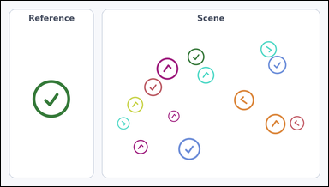 | 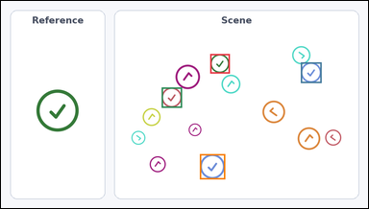 | task_icons_counting_orientation | same_orientation | Work from the image with a Reference icon on the left and a Scene panel of icons on the right. Answer this question: How many icons in the Scene panel have the same orientation as the Reference icon? Orientation refers to the icon's rotation. Return a valid JSON object with keys "evidence" and "answer" in that order. Evidence requirement: set "evidence" to a JSON array of [x_min, y_min, x_max, y_max] boxes in image pixel coordinates for all matching icons in the Scene panel, sorted from top to bottom and then left to right. Answer format: set "answer" to the count as an integer. Example JSON: {"evidence":[[334,150,410,226],[588,318,664,394],[756,318,832,394]],"answer":3} | Work from the image with a Reference icon on the left and a Scene panel of icons on the right. Answer this question: How many icons in the Scene panel have the same orientation as the Reference icon? Orientation refers to the icon's rotation. Return a valid JSON object with key "answer". Answer requirement: set "answer" to the count as an integer. Example JSON: {"answer":3} | {"evidence": [[547, 139, 598, 190], [784, 161, 838, 215], [420, 227, 473, 280], [520, 402, 586, 468]], "answer": 4} | [[547, 139, 598, 190], [784, 161, 838, 215], [420, 227, 473, 280], [520, 402, 586, 468]] | integer | bbox_set | 5.7753486018E+15 | icons/task_icons_counting_orientation/images/default/0007.png | icons/task_icons_counting_orientation/data/default/0007.json
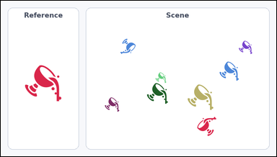 | 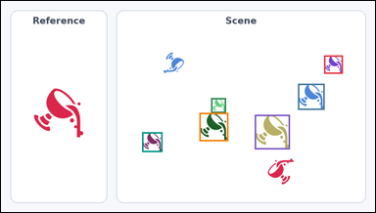 | task_icons_counting_orientation | same_orientation | Look at the image with a Reference icon on the left and a Scene panel of icons on the right. How many icons in the Scene panel have the same orientation as the Reference icon? Orientation refers to the icon's rotation. Return a valid JSON object with keys "evidence" and "answer" in that order. Evidence: set "evidence" to a JSON array of [x_min, y_min, x_max, y_max] boxes in image pixel coordinates for all matching icons in the Scene panel, sorted from top to bottom and then left to right. Answer: set "answer" to the count as an integer. Example JSON: {"evidence":[[334,150,410,226],[588,318,664,394],[756,318,832,394]],"answer":3} | Look at the image with a Reference icon on the left and a Scene panel of icons on the right. How many icons in the Scene panel have the same orientation as the Reference icon? Orientation refers to the icon's rotation. Return a valid JSON object with key "answer". Answer requirement: set "answer" to the count as an integer. Example JSON: {"answer":3} | {"evidence": [[829, 140, 877, 187], [762, 213, 830, 280], [539, 250, 577, 288], [509, 288, 583, 361], [651, 293, 741, 382], [362, 338, 414, 389]], "answer": 6} | [[829, 140, 877, 187], [762, 213, 830, 280], [539, 250, 577, 288], [509, 288, 583, 361], [651, 293, 741, 382], [362, 338, 414, 389]] | integer | bbox_set | 5.8351898381E+15 | icons/task_icons_counting_orientation/images/default/0017.png | icons/task_icons_counting_orientation/data/default/0017.json
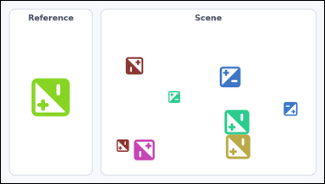 | 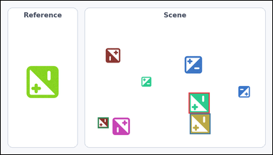 | task_icons_counting_orientation | same_orientation | The image shows a Reference icon on the left and a Scene panel of icons on the right. How many icons in the Scene panel have the same orientation as the Reference icon? Orientation refers to the icon's rotation. Return a valid JSON object with keys "evidence" and "answer" in that order. Evidence requirement: set "evidence" to a JSON array of [x_min, y_min, x_max, y_max] boxes in image pixel coordinates for all matching icons in the Scene panel, sorted from top to bottom and then left to right. Answer format: set "answer" to the count as an integer. Example JSON: {"evidence":[[334,150,410,226],[588,318,664,394],[756,318,832,394]],"answer":3} | The image shows a Reference icon on the left and a Scene panel of icons on the right. How many icons in the Scene panel have the same orientation as the Reference icon? Orientation refers to the icon's rotation. Return a valid JSON object with key "answer". Answer field: set "answer" to the count as an integer. Example JSON: {"answer":3} | {"evidence": [[664, 325, 738, 399], [668, 399, 741, 472], [343, 413, 381, 451]], "answer": 3} | [[664, 325, 738, 399], [668, 399, 741, 472], [343, 413, 381, 451]] | integer | bbox_set | 6.1413160596E+15 | icons/task_icons_counting_orientation/images/default/0023.png | icons/task_icons_counting_orientation/data/default/0023.json
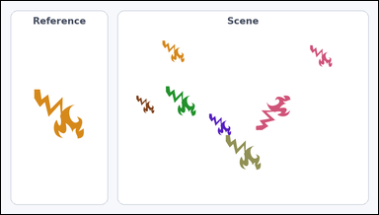 | 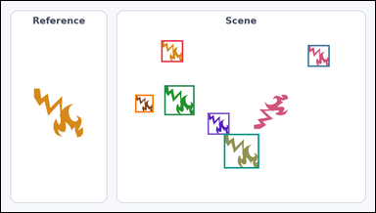 | task_icons_counting_orientation | same_orientation | Use the image containing a Reference icon on the left and a Scene panel of icons on the right. Task: How many icons in the Scene panel have the same orientation as the Reference icon? Orientation refers to the icon's rotation. Return a valid JSON object with keys "evidence" and "answer" in that order. Evidence: set "evidence" to a JSON array of [x_min, y_min, x_max, y_max] boxes in image pixel coordinates for all matching icons in the Scene panel, sorted from top to bottom and then left to right. Answer: set "answer" to the count as an integer. Example JSON: {"evidence":[[334,150,410,226],[588,318,664,394],[756,318,832,394]],"answer":3} | Use the image containing a Reference icon on the left and a Scene panel of icons on the right. Task: How many icons in the Scene panel have the same orientation as the Reference icon? Orientation refers to the icon's rotation. Return a valid JSON object with key "answer". Answer field: set "answer" to the count as an integer. Example JSON: {"answer":3} | {"evidence": [[411, 101, 467, 157], [787, 113, 843, 169], [419, 217, 496, 294], [344, 241, 391, 287], [530, 288, 586, 344], [572, 342, 662, 431]], "answer": 6} | [[411, 101, 467, 157], [787, 113, 843, 169], [419, 217, 496, 294], [344, 241, 391, 287], [530, 288, 586, 344], [572, 342, 662, 431]] | integer | bbox_set | 6.3008480583E+15 | icons/task_icons_counting_orientation/images/default/0011.png | icons/task_icons_counting_orientation/data/default/0011.json
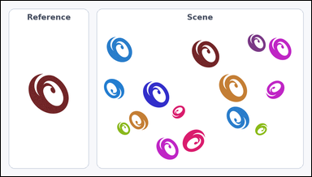 | 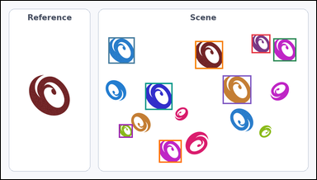 | task_icons_counting_orientation | same_orientation | You are given an image with a Reference icon on the left and a Scene panel of icons on the right. How many icons in the Scene panel have the same orientation as the Reference icon? Orientation refers to the icon's rotation. Return a valid JSON object with keys "evidence" and "answer" in that order. Evidence rule: set "evidence" to a JSON array of [x_min, y_min, x_max, y_max] boxes in image pixel coordinates for all matching icons in the Scene panel, sorted from top to bottom and then left to right. Answer rule: set "answer" to the count as an integer. Example JSON: {"evidence":[[334,150,410,226],[588,318,664,394],[756,318,832,394]],"answer":3} | You are given an image with a Reference icon on the left and a Scene panel of icons on the right. How many icons in the Scene panel have the same orientation as the Reference icon? Orientation refers to the icon's rotation. Return a valid JSON object with key "answer". Answer rule: set "answer" to the count as an integer. Example JSON: {"answer":3} | {"evidence": [[763, 102, 820, 159], [327, 111, 407, 191], [829, 114, 899, 184], [591, 122, 676, 207], [675, 227, 762, 314], [439, 250, 522, 332], [359, 376, 401, 417], [481, 424, 550, 493]], "answer": 8} | [[763, 102, 820, 159], [327, 111, 407, 191], [829, 114, 899, 184], [591, 122, 676, 207], [675, 227, 762, 314], [439, 250, 522, 332], [359, 376, 401, 417], [481, 424, 550, 493]] | integer | bbox_set | 6.4540921491E+15 | icons/task_icons_counting_orientation/images/default/0008.png | icons/task_icons_counting_orientation/data/default/0008.json
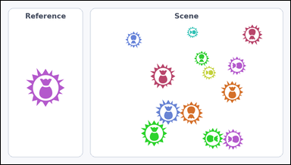 | 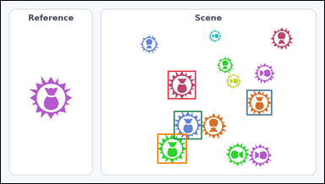 | task_icons_counting_orientation | same_orientation | Look at the image with a Reference icon on the left and a Scene panel of icons on the right. Determine the answer: How many icons in the Scene panel have the same orientation as the Reference icon? Orientation refers to the icon's rotation. Return a valid JSON object with keys "evidence" and "answer" in that order. Evidence format: set "evidence" to a JSON array of [x_min, y_min, x_max, y_max] boxes in image pixel coordinates for all matching icons in the Scene panel, sorted from top to bottom and then left to right. Answer requirement: set "answer" to the count as an integer. Example JSON: {"evidence":[[334,150,410,226],[588,318,664,394],[756,318,832,394]],"answer":3} | Look at the image with a Reference icon on the left and a Scene panel of icons on the right. Determine the answer: How many icons in the Scene panel have the same orientation as the Reference icon? Orientation refers to the icon's rotation. Return a valid JSON object with key "answer". Answer rule: set "answer" to the count as an integer. Example JSON: {"answer":3} | {"evidence": [[495, 208, 579, 293], [729, 265, 805, 341], [513, 328, 597, 413], [464, 396, 552, 485]], "answer": 4} | [[495, 208, 579, 293], [729, 265, 805, 341], [513, 328, 597, 413], [464, 396, 552, 485]] | integer | bbox_set | 6.6066654853E+15 | icons/task_icons_counting_orientation/images/default/0018.png | icons/task_icons_counting_orientation/data/default/0018.json
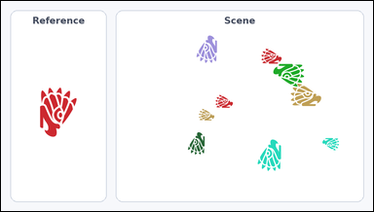 |  | task_icons_counting_orientation | same_orientation | You are given an image with a Reference icon on the left and a Scene panel of icons on the right. Task: How many icons in the Scene panel have the same orientation as the Reference icon? Orientation refers to the icon's rotation. Return a valid JSON object with keys "evidence" and "answer" in that order. Evidence rule: set "evidence" to a JSON array of [x_min, y_min, x_max, y_max] boxes in image pixel coordinates for all matching icons in the Scene panel, sorted from top to bottom and then left to right. Answer rule: set "answer" to the count as an integer. Example JSON: {"evidence":[[334,150,410,226],[588,318,664,394],[756,318,832,394]],"answer":3} | You are given an image with a Reference icon on the left and a Scene panel of icons on the right. Task: How many icons in the Scene panel have the same orientation as the Reference icon? Orientation refers to the icon's rotation. Return a valid JSON object with key "answer". Answer field: set "answer" to the count as an integer. Example JSON: {"answer":3} | {"evidence": [], "answer": 0} | [] | integer | bbox_set | 6.6832739732E+15 | icons/task_icons_counting_orientation/images/default/0004.png | icons/task_icons_counting_orientation/data/default/0004.json
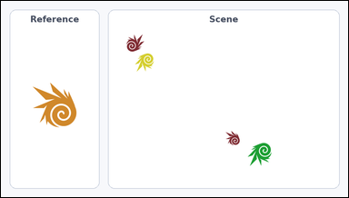 | 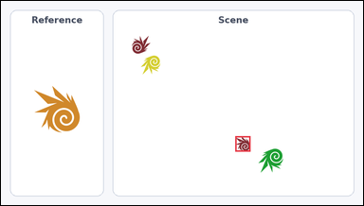 | task_icons_counting_orientation | same_orientation | Look at the image with a Reference icon on the left and a Scene panel of icons on the right. Task: How many icons in the Scene panel have the same orientation as the Reference icon? Orientation refers to the icon's rotation. Return a valid JSON object with keys "evidence" and "answer" in that order. Evidence format: set "evidence" to a JSON array of [x_min, y_min, x_max, y_max] boxes in image pixel coordinates for all matching icons in the Scene panel, sorted from top to bottom and then left to right. Answer requirement: set "answer" to the count as an integer. Example JSON: {"evidence":[[334,150,410,226],[588,318,664,394],[756,318,832,394]],"answer":3} | Look at the image with a Reference icon on the left and a Scene panel of icons on the right. Task: How many icons in the Scene panel have the same orientation as the Reference icon? Orientation refers to the icon's rotation. Return a valid JSON object with key "answer". Answer: set "answer" to the count as an integer. Example JSON: {"answer":3} | {"evidence": [[621, 360, 661, 401]], "answer": 1} | [[621, 360, 661, 401]] | integer | bbox_set | 6.692440038E+15 | icons/task_icons_counting_orientation/images/default/0013.png | icons/task_icons_counting_orientation/data/default/0013.json
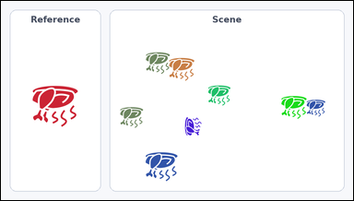 | 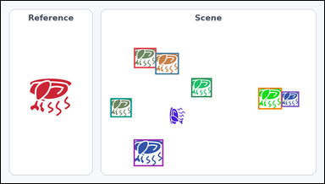 | task_icons_counting_orientation | same_orientation | The image shows a Reference icon on the left and a Scene panel of icons on the right. Question: How many icons in the Scene panel have the same orientation as the Reference icon? Orientation refers to the icon's rotation. Return a valid JSON object with keys "evidence" and "answer" in that order. Evidence format: set "evidence" to a JSON array of [x_min, y_min, x_max, y_max] boxes in image pixel coordinates for all matching icons in the Scene panel, sorted from top to bottom and then left to right. Answer requirement: set "answer" to the count as an integer. Example JSON: {"evidence":[[334,150,410,226],[588,318,664,394],[756,318,832,394]],"answer":3} | The image shows a Reference icon on the left and a Scene panel of icons on the right. Question: How many icons in the Scene panel have the same orientation as the Reference icon? Orientation refers to the icon's rotation. Return a valid JSON object with key "answer". Answer format: set "answer" to the count as an integer. Example JSON: {"answer":3} | {"evidence": [[395, 140, 461, 200], [458, 155, 528, 219], [565, 230, 626, 287], [764, 259, 834, 323], [833, 270, 885, 316], [325, 290, 388, 347], [394, 413, 482, 493]], "answer": 7} | [[395, 140, 461, 200], [458, 155, 528, 219], [565, 230, 626, 287], [764, 259, 834, 323], [833, 270, 885, 316], [325, 290, 388, 347], [394, 413, 482, 493]] | integer | bbox_set | 6.7537128799E+15 | icons/task_icons_counting_orientation/images/default/0019.png | icons/task_icons_counting_orientation/data/default/0019.json
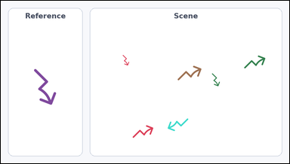 | 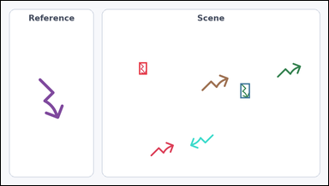 | task_icons_counting_orientation | same_orientation | You are given an image with a Reference icon on the left and a Scene panel of icons on the right. Determine the answer: How many icons in the Scene panel have the same orientation as the Reference icon? Orientation refers to the icon's rotation. Return a valid JSON object with keys "evidence" and "answer" in that order. Evidence: set "evidence" to a JSON array of [x_min, y_min, x_max, y_max] boxes in image pixel coordinates for all matching icons in the Scene panel, sorted from top to bottom and then left to right. Answer: set "answer" to the count as an integer. Example JSON: {"evidence":[[334,150,410,226],[588,318,664,394],[756,318,832,394]],"answer":3} | You are given an image with a Reference icon on the left and a Scene panel of icons on the right. Determine the answer: How many icons in the Scene panel have the same orientation as the Reference icon? Orientation refers to the icon's rotation. Return a valid JSON object with key "answer". Answer: set "answer" to the count as an integer. Example JSON: {"answer":3} | {"evidence": [[405, 181, 428, 217], [702, 243, 730, 287]], "answer": 2} | [[405, 181, 428, 217], [702, 243, 730, 287]] | integer | bbox_set | 6.9899088074E+15 | icons/task_icons_counting_orientation/images/default/0002.png | icons/task_icons_counting_orientation/data/default/0002.json
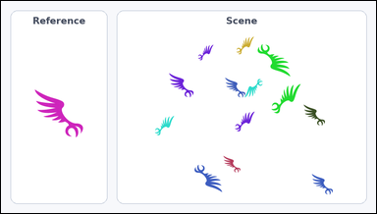 | 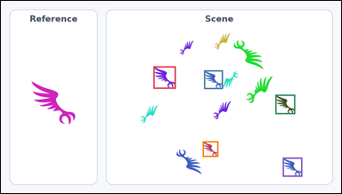 | task_icons_counting_orientation | same_orientation | The image shows a Reference icon on the left and a Scene panel of icons on the right. Question: How many icons in the Scene panel have the same orientation as the Reference icon? Orientation refers to the icon's rotation. Return a valid JSON object with keys "evidence" and "answer" in that order. Evidence requirement: set "evidence" to a JSON array of [x_min, y_min, x_max, y_max] boxes in image pixel coordinates for all matching icons in the Scene panel, sorted from top to bottom and then left to right. Answer format: set "answer" to the count as an integer. Example JSON: {"evidence":[[334,150,410,226],[588,318,664,394],[756,318,832,394]],"answer":3} | The image shows a Reference icon on the left and a Scene panel of icons on the right. Question: How many icons in the Scene panel have the same orientation as the Reference icon? Orientation refers to the icon's rotation. Return a valid JSON object with key "answer". Answer format: set "answer" to the count as an integer. Example JSON: {"answer":3} | {"evidence": [[430, 185, 493, 248], [573, 196, 626, 249], [774, 265, 830, 320], [569, 397, 613, 441], [795, 443, 850, 497]], "answer": 5} | [[430, 185, 493, 248], [573, 196, 626, 249], [774, 265, 830, 320], [569, 397, 613, 441], [795, 443, 850, 497]] | integer | bbox_set | 7.1491658132E+15 | icons/task_icons_counting_orientation/images/default/0015.png | icons/task_icons_counting_orientation/data/default/0015.json
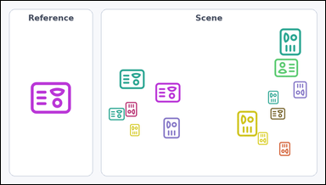 | 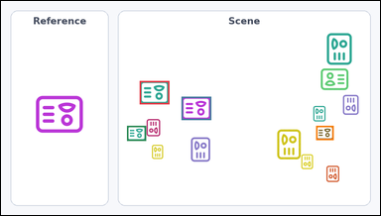 | task_icons_counting_orientation | same_orientation | The image shows a Reference icon on the left and a Scene panel of icons on the right. Task: How many icons in the Scene panel have the same orientation as the Reference icon? Orientation refers to the icon's rotation. Return a valid JSON object with keys "evidence" and "answer" in that order. Evidence rule: set "evidence" to a JSON array of [x_min, y_min, x_max, y_max] boxes in image pixel coordinates for all matching icons in the Scene panel, sorted from top to bottom and then left to right. Answer rule: set "answer" to the count as an integer. Example JSON: {"evidence":[[334,150,410,226],[588,318,664,394],[756,318,832,394]],"answer":3} | The image shows a Reference icon on the left and a Scene panel of icons on the right. Task: How many icons in the Scene panel have the same orientation as the Reference icon? Orientation refers to the icon's rotation. Return a valid JSON object with key "answer". Answer rule: set "answer" to the count as an integer. Example JSON: {"answer":3} | {"evidence": [[351, 203, 426, 262], [457, 243, 532, 302], [319, 317, 367, 355], [798, 317, 842, 353]], "answer": 4} | [[351, 203, 426, 262], [457, 243, 532, 302], [319, 317, 367, 355], [798, 317, 842, 353]] | integer | bbox_set | 7.6929856888E+15 | icons/task_icons_counting_orientation/images/default/0003.png | icons/task_icons_counting_orientation/data/default/0003.json
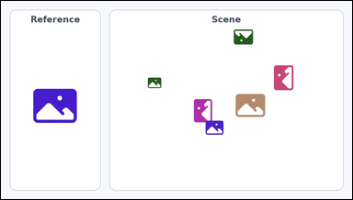 | 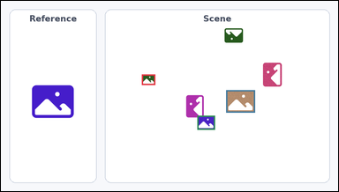 | task_icons_counting_orientation | same_orientation | Use the image containing a Reference icon on the left and a Scene panel of icons on the right. Answer this question: How many icons in the Scene panel have the same orientation as the Reference icon? Orientation refers to the icon's rotation. Return a valid JSON object with keys "evidence" and "answer" in that order. Evidence field: set "evidence" to a JSON array of [x_min, y_min, x_max, y_max] boxes in image pixel coordinates for all matching icons in the Scene panel, sorted from top to bottom and then left to right. Answer field: set "answer" to the count as an integer. Example JSON: {"evidence":[[334,150,410,226],[588,318,664,394],[756,318,832,394]],"answer":3} | Use the image containing a Reference icon on the left and a Scene panel of icons on the right. Answer this question: How many icons in the Scene panel have the same orientation as the Reference icon? Orientation refers to the icon's rotation. Return a valid JSON object with key "answer". Answer: set "answer" to the count as an integer. Example JSON: {"answer":3} | {"evidence": [[401, 210, 439, 240], [641, 255, 723, 319], [559, 328, 609, 368]], "answer": 3} | [[401, 210, 439, 240], [641, 255, 723, 319], [559, 328, 609, 368]] | integer | bbox_set | 7.7717127354E+15 | icons/task_icons_counting_orientation/images/default/0024.png | icons/task_icons_counting_orientation/data/default/0024.json
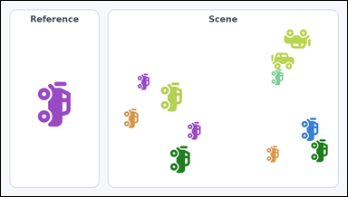 | 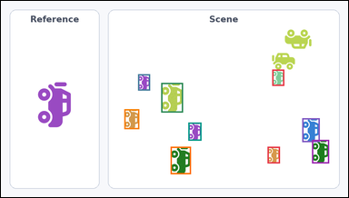 | task_icons_counting_orientation | same_orientation | The image shows a Reference icon on the left and a Scene panel of icons on the right. Task: How many icons in the Scene panel have the same orientation as the Reference icon? Orientation refers to the icon's rotation. Return a valid JSON object with keys "evidence" and "answer" in that order. Evidence rule: set "evidence" to a JSON array of [x_min, y_min, x_max, y_max] boxes in image pixel coordinates for all matching icons in the Scene panel, sorted from top to bottom and then left to right. Answer rule: set "answer" to the count as an integer. Example JSON: {"evidence":[[334,150,410,226],[588,318,664,394],[756,318,832,394]],"answer":3} | The image shows a Reference icon on the left and a Scene panel of icons on the right. Task: How many icons in the Scene panel have the same orientation as the Reference icon? Orientation refers to the icon's rotation. Return a valid JSON object with key "answer". Answer rule: set "answer" to the count as an integer. Example JSON: {"answer":3} | {"evidence": [[750, 190, 783, 235], [379, 203, 412, 248], [443, 227, 503, 309], [341, 300, 382, 355], [833, 325, 881, 391], [518, 337, 554, 387], [860, 385, 907, 450], [469, 404, 525, 480], [737, 404, 771, 450]], "answer": 9} | [[750, 190, 783, 235], [379, 203, 412, 248], [443, 227, 503, 309], [341, 300, 382, 355], [833, 325, 881, 391], [518, 337, 554, 387], [860, 385, 907, 450], [469, 404, 525, 480], [737, 404, 771, 450]] | integer | bbox_set | 7.8643917185E+15 | icons/task_icons_counting_orientation/images/default/0005.png | icons/task_icons_counting_orientation/data/default/0005.json
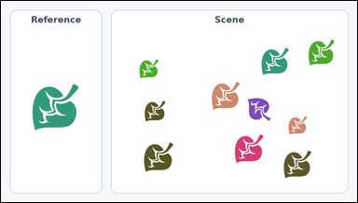 | 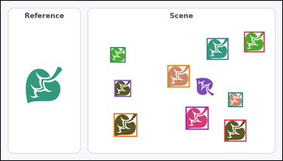 | task_icons_counting_orientation | same_orientation | Use the image containing a Reference icon on the left and a Scene panel of icons on the right. How many icons in the Scene panel have the same orientation as the Reference icon? Orientation refers to the icon's rotation. Return a valid JSON object with keys "evidence" and "answer" in that order. Evidence: set "evidence" to a JSON array of [x_min, y_min, x_max, y_max] boxes in image pixel coordinates for all matching icons in the Scene panel, sorted from top to bottom and then left to right. Answer: set "answer" to the count as an integer. Example JSON: {"evidence":[[334,150,410,226],[588,318,664,394],[756,318,832,394]],"answer":3} | Use the image containing a Reference icon on the left and a Scene panel of icons on the right. How many icons in the Scene panel have the same orientation as the Reference icon? Orientation refers to the icon's rotation. Return a valid JSON object with key "answer". Answer: set "answer" to the count as an integer. Example JSON: {"answer":3} | {"evidence": [[829, 105, 899, 175], [702, 127, 776, 201], [373, 158, 425, 210], [568, 219, 644, 295], [387, 270, 444, 327], [775, 312, 825, 362], [630, 361, 708, 439], [385, 383, 465, 463], [762, 405, 837, 480]], "answer": 9} | [[829, 105, 899, 175], [702, 127, 776, 201], [373, 158, 425, 210], [568, 219, 644, 295], [387, 270, 444, 327], [775, 312, 825, 362], [630, 361, 708, 439], [385, 383, 465, 463], [762, 405, 837, 480]] | integer | bbox_set | 8.9569231659E+15 | icons/task_icons_counting_orientation/images/default/0009.png | icons/task_icons_counting_orientation/data/default/0009.json

