same_icon_type
image | evidence_image | task | task_variant | prompt | prompt_answer_only | answer | answer_evidence | answer_type | evidence_type | instance_seed | image_path | data_path
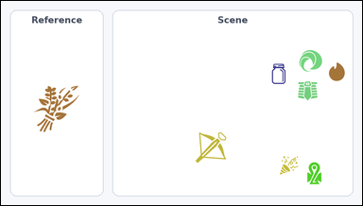 |  | task_icons_counting_type | same_icon_type | Look at the image with a Reference icon on the left and a Scene panel of icons on the right. Answer this question: How many icons in the Scene panel have the same icon type as the Reference icon? Return a valid JSON object with keys "evidence" and "answer" in that order. Evidence rule: set "evidence" to a JSON array of [x_min, y_min, x_max, y_max] boxes in image pixel coordinates for all matching icons in the Scene panel, sorted from top to bottom and then left to right. Answer rule: set "answer" to the count as an integer. Example JSON: {"evidence":[[318,146,394,222],[575,320,651,396]],"answer":2} | Look at the image with a Reference icon on the left and a Scene panel of icons on the right. Answer this question: How many icons in the Scene panel have the same icon type as the Reference icon? Return a valid JSON object with key "answer". Answer: set "answer" to the count as an integer. Example JSON: {"answer":2} | {"evidence": [], "answer": 0} | [] | integer | bbox_set | 190303187980942 | icons/task_icons_counting_type/images/default/0021.png | icons/task_icons_counting_type/data/default/0021.json
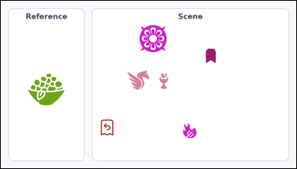 |  | task_icons_counting_type | same_icon_type | Work from the image with a Reference icon on the left and a Scene panel of icons on the right. Determine the answer: How many icons in the Scene panel have the same icon type as the Reference icon? Return a valid JSON object with keys "evidence" and "answer" in that order. Evidence rule: set "evidence" to a JSON array of [x_min, y_min, x_max, y_max] boxes in image pixel coordinates for all matching icons in the Scene panel, sorted from top to bottom and then left to right. Answer rule: set "answer" to the count as an integer. Example JSON: {"evidence":[[318,146,394,222],[575,320,651,396]],"answer":2} | Work from the image with a Reference icon on the left and a Scene panel of icons on the right. Determine the answer: How many icons in the Scene panel have the same icon type as the Reference icon? Return a valid JSON object with key "answer". Answer format: set "answer" to the count as an integer. Example JSON: {"answer":2} | {"evidence": [], "answer": 0} | [] | integer | bbox_set | 568092281638411 | icons/task_icons_counting_type/images/default/0013.png | icons/task_icons_counting_type/data/default/0013.json
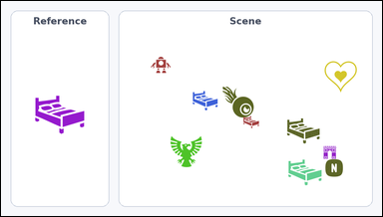 | 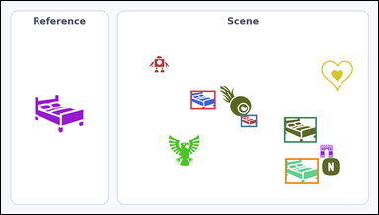 | task_icons_counting_type | same_icon_type | The image shows a Reference icon on the left and a Scene panel of icons on the right. Determine the answer: How many icons in the Scene panel have the same icon type as the Reference icon? Return a valid JSON object with keys "evidence" and "answer" in that order. Evidence: set "evidence" to a JSON array of [x_min, y_min, x_max, y_max] boxes in image pixel coordinates for all matching icons in the Scene panel, sorted from top to bottom and then left to right. Answer: set "answer" to the count as an integer. Example JSON: {"evidence":[[318,146,394,222],[575,320,651,396]],"answer":2} | The image shows a Reference icon on the left and a Scene panel of icons on the right. Determine the answer: How many icons in the Scene panel have the same icon type as the Reference icon? Return a valid JSON object with key "answer". Answer field: set "answer" to the count as an integer. Example JSON: {"answer":2} | {"evidence": [[483, 228, 546, 277], [610, 291, 651, 322], [721, 297, 803, 361], [724, 401, 808, 467]], "answer": 4} | [[483, 228, 546, 277], [610, 291, 651, 322], [721, 297, 803, 361], [724, 401, 808, 467]] | integer | bbox_set | 1.1653390143E+15 | icons/task_icons_counting_type/images/default/0023.png | icons/task_icons_counting_type/data/default/0023.json
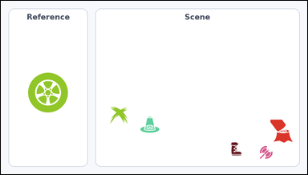 |  | task_icons_counting_type | same_icon_type | Look at the image with a Reference icon on the left and a Scene panel of icons on the right. Determine the answer: How many icons in the Scene panel have the same icon type as the Reference icon? Return a valid JSON object with keys "evidence" and "answer" in that order. Evidence format: set "evidence" to a JSON array of [x_min, y_min, x_max, y_max] boxes in image pixel coordinates for all matching icons in the Scene panel, sorted from top to bottom and then left to right. Answer requirement: set "answer" to the count as an integer. Example JSON: {"evidence":[[318,146,394,222],[575,320,651,396]],"answer":2} | Look at the image with a Reference icon on the left and a Scene panel of icons on the right. Determine the answer: How many icons in the Scene panel have the same icon type as the Reference icon? Return a valid JSON object with key "answer". Answer field: set "answer" to the count as an integer. Example JSON: {"answer":2} | {"evidence": [], "answer": 0} | [] | integer | bbox_set | 1.2604572219E+15 | icons/task_icons_counting_type/images/default/0005.png | icons/task_icons_counting_type/data/default/0005.json
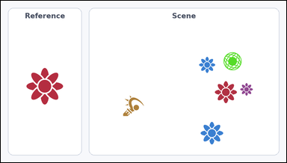 | 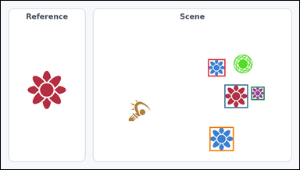 | task_icons_counting_type | same_icon_type | Work from the image with a Reference icon on the left and a Scene panel of icons on the right. Task: How many icons in the Scene panel have the same icon type as the Reference icon? Return a valid JSON object with keys "evidence" and "answer" in that order. Evidence: set "evidence" to a JSON array of [x_min, y_min, x_max, y_max] boxes in image pixel coordinates for all matching icons in the Scene panel, sorted from top to bottom and then left to right. Answer: set "answer" to the count as an integer. Example JSON: {"evidence":[[318,146,394,222],[575,320,651,396]],"answer":2} | Work from the image with a Reference icon on the left and a Scene panel of icons on the right. Task: How many icons in the Scene panel have the same icon type as the Reference icon? Return a valid JSON object with key "answer". Answer requirement: set "answer" to the count as an integer. Example JSON: {"answer":2} | {"evidence": [[666, 188, 722, 244], [719, 270, 795, 346], [805, 277, 848, 320], [671, 407, 749, 485]], "answer": 4} | [[666, 188, 722, 244], [719, 270, 795, 346], [805, 277, 848, 320], [671, 407, 749, 485]] | integer | bbox_set | 1.659112711E+15 | icons/task_icons_counting_type/images/default/0015.png | icons/task_icons_counting_type/data/default/0015.json
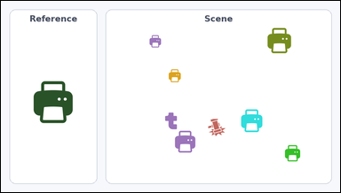 | 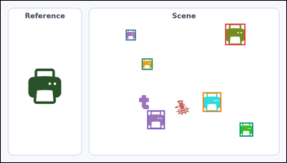 | task_icons_counting_type | same_icon_type | The image shows a Reference icon on the left and a Scene panel of icons on the right. Question: How many icons in the Scene panel have the same icon type as the Reference icon? Return a valid JSON object with keys "evidence" and "answer" in that order. Evidence: set "evidence" to a JSON array of [x_min, y_min, x_max, y_max] boxes in image pixel coordinates for all matching icons in the Scene panel, sorted from top to bottom and then left to right. Answer: set "answer" to the count as an integer. Example JSON: {"evidence":[[318,146,394,222],[575,320,651,396]],"answer":2} | The image shows a Reference icon on the left and a Scene panel of icons on the right. Question: How many icons in the Scene panel have the same icon type as the Reference icon? Return a valid JSON object with key "answer". Answer requirement: set "answer" to the count as an integer. Example JSON: {"answer":2} | {"evidence": [[754, 77, 822, 149], [420, 97, 454, 133], [474, 194, 510, 232], [679, 308, 741, 374], [492, 369, 551, 432], [803, 410, 848, 457]], "answer": 6} | [[754, 77, 822, 149], [420, 97, 454, 133], [474, 194, 510, 232], [679, 308, 741, 374], [492, 369, 551, 432], [803, 410, 848, 457]] | integer | bbox_set | 1.8291670193E+15 | icons/task_icons_counting_type/images/default/0008.png | icons/task_icons_counting_type/data/default/0008.json
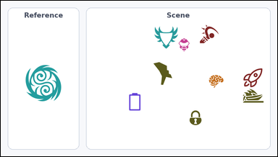 |  | task_icons_counting_type | same_icon_type | Look at the image with a Reference icon on the left and a Scene panel of icons on the right. Determine the answer: How many icons in the Scene panel have the same icon type as the Reference icon? Return a valid JSON object with keys "evidence" and "answer" in that order. Evidence field: set "evidence" to a JSON array of [x_min, y_min, x_max, y_max] boxes in image pixel coordinates for all matching icons in the Scene panel, sorted from top to bottom and then left to right. Answer field: set "answer" to the count as an integer. Example JSON: {"evidence":[[318,146,394,222],[575,320,651,396]],"answer":2} | Look at the image with a Reference icon on the left and a Scene panel of icons on the right. Determine the answer: How many icons in the Scene panel have the same icon type as the Reference icon? Return a valid JSON object with key "answer". Answer field: set "answer" to the count as an integer. Example JSON: {"answer":2} | {"evidence": [], "answer": 0} | [] | integer | bbox_set | 2.2782046913E+15 | icons/task_icons_counting_type/images/default/0007.png | icons/task_icons_counting_type/data/default/0007.json
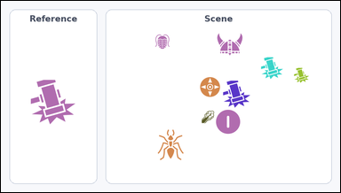 | 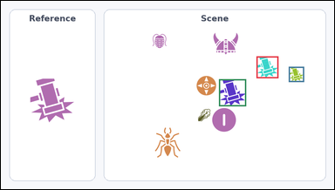 | task_icons_counting_type | same_icon_type | Use the image containing a Reference icon on the left and a Scene panel of icons on the right. How many icons in the Scene panel have the same icon type as the Reference icon? Return a valid JSON object with keys "evidence" and "answer" in that order. Evidence rule: set "evidence" to a JSON array of [x_min, y_min, x_max, y_max] boxes in image pixel coordinates for all matching icons in the Scene panel, sorted from top to bottom and then left to right. Answer rule: set "answer" to the count as an integer. Example JSON: {"evidence":[[318,146,394,222],[575,320,651,396]],"answer":2} | Use the image containing a Reference icon on the left and a Scene panel of icons on the right. How many icons in the Scene panel have the same icon type as the Reference icon? Return a valid JSON object with key "answer". Answer requirement: set "answer" to the count as an integer. Example JSON: {"answer":2} | {"evidence": [[736, 160, 799, 223], [829, 190, 873, 234], [628, 226, 706, 304]], "answer": 3} | [[736, 160, 799, 223], [829, 190, 873, 234], [628, 226, 706, 304]] | integer | bbox_set | 2.4044848098E+15 | icons/task_icons_counting_type/images/default/0019.png | icons/task_icons_counting_type/data/default/0019.json
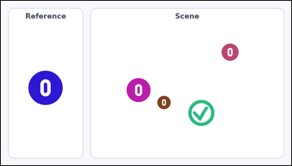 | 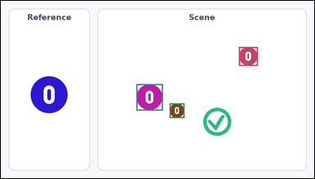 | task_icons_counting_type | same_icon_type | Use the image containing a Reference icon on the left and a Scene panel of icons on the right. How many icons in the Scene panel have the same icon type as the Reference icon? Return a valid JSON object with keys "evidence" and "answer" in that order. Evidence field: set "evidence" to a JSON array of [x_min, y_min, x_max, y_max] boxes in image pixel coordinates for all matching icons in the Scene panel, sorted from top to bottom and then left to right. Answer field: set "answer" to the count as an integer. Example JSON: {"evidence":[[318,146,394,222],[575,320,651,396]],"answer":2} | Use the image containing a Reference icon on the left and a Scene panel of icons on the right. How many icons in the Scene panel have the same icon type as the Reference icon? Return a valid JSON object with key "answer". Answer requirement: set "answer" to the count as an integer. Example JSON: {"answer":2} | {"evidence": [[729, 141, 787, 199], [415, 255, 496, 336], [517, 314, 562, 359]], "answer": 3} | [[729, 141, 787, 199], [415, 255, 496, 336], [517, 314, 562, 359]] | integer | bbox_set | 2.5724062211E+15 | icons/task_icons_counting_type/images/default/0002.png | icons/task_icons_counting_type/data/default/0002.json
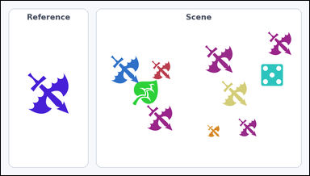 | 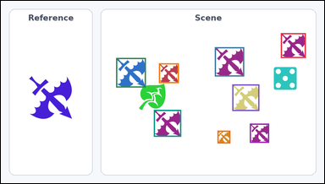 | task_icons_counting_type | same_icon_type | You are given an image with a Reference icon on the left and a Scene panel of icons on the right. How many icons in the Scene panel have the same icon type as the Reference icon? Return a valid JSON object with keys "evidence" and "answer" in that order. Evidence field: set "evidence" to a JSON array of [x_min, y_min, x_max, y_max] boxes in image pixel coordinates for all matching icons in the Scene panel, sorted from top to bottom and then left to right. Answer field: set "answer" to the count as an integer. Example JSON: {"evidence":[[318,146,394,222],[575,320,651,396]],"answer":2} | You are given an image with a Reference icon on the left and a Scene panel of icons on the right. How many icons in the Scene panel have the same icon type as the Reference icon? Return a valid JSON object with key "answer". Answer: set "answer" to the count as an integer. Example JSON: {"answer":2} | {"evidence": [[831, 96, 905, 170], [635, 138, 722, 225], [342, 170, 430, 258], [469, 186, 528, 245], [687, 249, 767, 328], [454, 325, 535, 405], [739, 366, 796, 423], [643, 387, 681, 425]], "answer": 8} | [[831, 96, 905, 170], [635, 138, 722, 225], [342, 170, 430, 258], [469, 186, 528, 245], [687, 249, 767, 328], [454, 325, 535, 405], [739, 366, 796, 423], [643, 387, 681, 425]] | integer | bbox_set | 2.6599951664E+15 | icons/task_icons_counting_type/images/default/0000.png | icons/task_icons_counting_type/data/default/0000.json
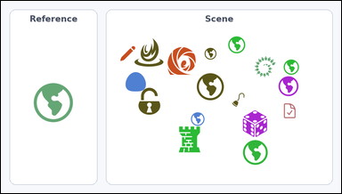 | 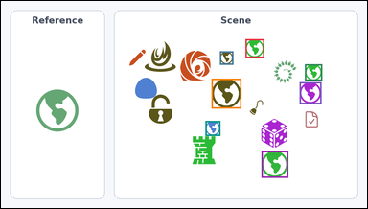 | task_icons_counting_type | same_icon_type | Use the image containing a Reference icon on the left and a Scene panel of icons on the right. Determine the answer: How many icons in the Scene panel have the same icon type as the Reference icon? Return a valid JSON object with keys "evidence" and "answer" in that order. Evidence requirement: set "evidence" to a JSON array of [x_min, y_min, x_max, y_max] boxes in image pixel coordinates for all matching icons in the Scene panel, sorted from top to bottom and then left to right. Answer format: set "answer" to the count as an integer. Example JSON: {"evidence":[[318,146,394,222],[575,320,651,396]],"answer":2} | Use the image containing a Reference icon on the left and a Scene panel of icons on the right. Determine the answer: How many icons in the Scene panel have the same icon type as the Reference icon? Return a valid JSON object with key "answer". Answer rule: set "answer" to the count as an integer. Example JSON: {"answer":2} | {"evidence": [[641, 100, 690, 149], [574, 132, 609, 167], [797, 166, 842, 209], [552, 204, 630, 282], [783, 213, 840, 270], [536, 315, 575, 354], [683, 394, 753, 464]], "answer": 7} | [[641, 100, 690, 149], [574, 132, 609, 167], [797, 166, 842, 209], [552, 204, 630, 282], [783, 213, 840, 270], [536, 315, 575, 354], [683, 394, 753, 464]] | integer | bbox_set | 3.1661020404E+15 | icons/task_icons_counting_type/images/default/0018.png | icons/task_icons_counting_type/data/default/0018.json
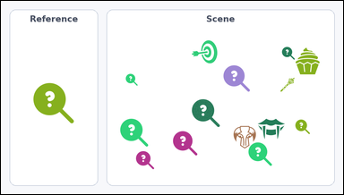 | 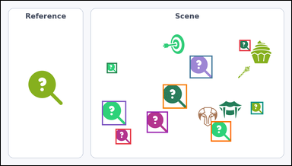 | task_icons_counting_type | same_icon_type | Use the image containing a Reference icon on the left and a Scene panel of icons on the right. Task: How many icons in the Scene panel have the same icon type as the Reference icon? Return a valid JSON object with keys "evidence" and "answer" in that order. Evidence: set "evidence" to a JSON array of [x_min, y_min, x_max, y_max] boxes in image pixel coordinates for all matching icons in the Scene panel, sorted from top to bottom and then left to right. Answer: set "answer" to the count as an integer. Example JSON: {"evidence":[[318,146,394,222],[575,320,651,396]],"answer":2} | Use the image containing a Reference icon on the left and a Scene panel of icons on the right. Task: How many icons in the Scene panel have the same icon type as the Reference icon? Return a valid JSON object with key "answer". Answer field: set "answer" to the count as an integer. Example JSON: {"answer":2} | {"evidence": [[788, 129, 825, 166], [624, 181, 699, 256], [350, 205, 384, 239], [535, 276, 615, 356], [334, 331, 414, 411], [826, 334, 867, 375], [482, 366, 552, 436], [694, 398, 761, 465], [379, 423, 430, 474]], "answer": 9} | [[788, 129, 825, 166], [624, 181, 699, 256], [350, 205, 384, 239], [535, 276, 615, 356], [334, 331, 414, 411], [826, 334, 867, 375], [482, 366, 552, 436], [694, 398, 761, 465], [379, 423, 430, 474]] | integer | bbox_set | 3.6205769004E+15 | icons/task_icons_counting_type/images/default/0012.png | icons/task_icons_counting_type/data/default/0012.json
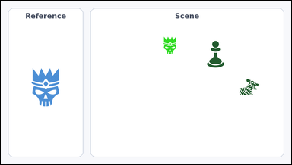 | 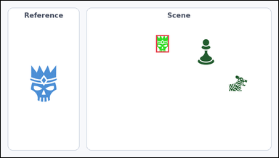 | task_icons_counting_type | same_icon_type | The image shows a Reference icon on the left and a Scene panel of icons on the right. Determine the answer: How many icons in the Scene panel have the same icon type as the Reference icon? Return a valid JSON object with keys "evidence" and "answer" in that order. Evidence requirement: set "evidence" to a JSON array of [x_min, y_min, x_max, y_max] boxes in image pixel coordinates for all matching icons in the Scene panel, sorted from top to bottom and then left to right. Answer format: set "answer" to the count as an integer. Example JSON: {"evidence":[[318,146,394,222],[575,320,651,396]],"answer":2} | The image shows a Reference icon on the left and a Scene panel of icons on the right. Determine the answer: How many icons in the Scene panel have the same icon type as the Reference icon? Return a valid JSON object with key "answer". Answer: set "answer" to the count as an integer. Example JSON: {"answer":2} | {"evidence": [[537, 119, 581, 179]], "answer": 1} | [[537, 119, 581, 179]] | integer | bbox_set | 3.6871686797E+15 | icons/task_icons_counting_type/images/default/0011.png | icons/task_icons_counting_type/data/default/0011.json
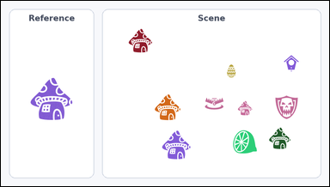 | 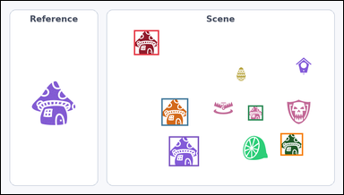 | task_icons_counting_type | same_icon_type | Work from the image with a Reference icon on the left and a Scene panel of icons on the right. Task: How many icons in the Scene panel have the same icon type as the Reference icon? Return a valid JSON object with keys "evidence" and "answer" in that order. Evidence requirement: set "evidence" to a JSON array of [x_min, y_min, x_max, y_max] boxes in image pixel coordinates for all matching icons in the Scene panel, sorted from top to bottom and then left to right. Answer format: set "answer" to the count as an integer. Example JSON: {"evidence":[[318,146,394,222],[575,320,651,396]],"answer":2} | Work from the image with a Reference icon on the left and a Scene panel of icons on the right. Task: How many icons in the Scene panel have the same icon type as the Reference icon? Return a valid JSON object with key "answer". Answer field: set "answer" to the count as an integer. Example JSON: {"answer":2} | {"evidence": [[373, 82, 443, 152], [450, 274, 525, 351], [693, 294, 735, 336], [784, 372, 847, 435], [471, 381, 555, 465]], "answer": 5} | [[373, 82, 443, 152], [450, 274, 525, 351], [693, 294, 735, 336], [784, 372, 847, 435], [471, 381, 555, 465]] | integer | bbox_set | 3.9460334905E+15 | icons/task_icons_counting_type/images/default/0014.png | icons/task_icons_counting_type/data/default/0014.json
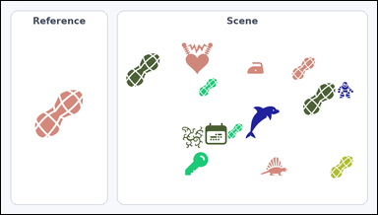 | 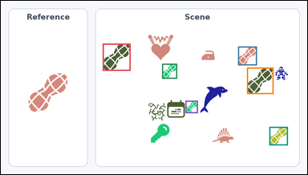 | task_icons_counting_type | same_icon_type | You are given an image with a Reference icon on the left and a Scene panel of icons on the right. Determine the answer: How many icons in the Scene panel have the same icon type as the Reference icon? Return a valid JSON object with keys "evidence" and "answer" in that order. Evidence format: set "evidence" to a JSON array of [x_min, y_min, x_max, y_max] boxes in image pixel coordinates for all matching icons in the Scene panel, sorted from top to bottom and then left to right. Answer requirement: set "answer" to the count as an integer. Example JSON: {"evidence":[[318,146,394,222],[575,320,651,396]],"answer":2} | You are given an image with a Reference icon on the left and a Scene panel of icons on the right. Determine the answer: How many icons in the Scene panel have the same icon type as the Reference icon? Return a valid JSON object with key "answer". Answer rule: set "answer" to the count as an integer. Example JSON: {"answer":2} | {"evidence": [[319, 134, 406, 219], [743, 143, 802, 202], [505, 197, 552, 244], [771, 209, 854, 292], [578, 313, 617, 352], [841, 395, 899, 453]], "answer": 6} | [[319, 134, 406, 219], [743, 143, 802, 202], [505, 197, 552, 244], [771, 209, 854, 292], [578, 313, 617, 352], [841, 395, 899, 453]] | integer | bbox_set | 4.2861208567E+15 | icons/task_icons_counting_type/images/default/0024.png | icons/task_icons_counting_type/data/default/0024.json
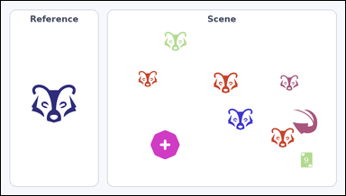 | 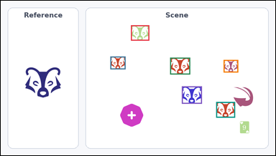 | task_icons_counting_type | same_icon_type | Work from the image with a Reference icon on the left and a Scene panel of icons on the right. Question: How many icons in the Scene panel have the same icon type as the Reference icon? Return a valid JSON object with keys "evidence" and "answer" in that order. Evidence requirement: set "evidence" to a JSON array of [x_min, y_min, x_max, y_max] boxes in image pixel coordinates for all matching icons in the Scene panel, sorted from top to bottom and then left to right. Answer format: set "answer" to the count as an integer. Example JSON: {"evidence":[[318,146,394,222],[575,320,651,396]],"answer":2} | Work from the image with a Reference icon on the left and a Scene panel of icons on the right. Question: How many icons in the Scene panel have the same icon type as the Reference icon? Return a valid JSON object with key "answer". Answer format: set "answer" to the count as an integer. Example JSON: {"answer":2} | {"evidence": [[455, 86, 519, 140], [383, 196, 436, 241], [592, 200, 662, 259], [779, 208, 830, 252], [633, 301, 703, 362], [753, 356, 819, 411]], "answer": 6} | [[455, 86, 519, 140], [383, 196, 436, 241], [592, 200, 662, 259], [779, 208, 830, 252], [633, 301, 703, 362], [753, 356, 819, 411]] | integer | bbox_set | 4.4537638885E+15 | icons/task_icons_counting_type/images/default/0006.png | icons/task_icons_counting_type/data/default/0006.json
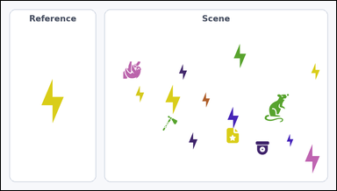 | 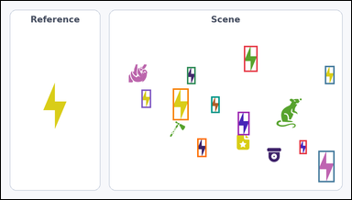 | task_icons_counting_type | same_icon_type | Use the image containing a Reference icon on the left and a Scene panel of icons on the right. How many icons in the Scene panel have the same icon type as the Reference icon? Return a valid JSON object with keys "evidence" and "answer" in that order. Evidence format: set "evidence" to a JSON array of [x_min, y_min, x_max, y_max] boxes in image pixel coordinates for all matching icons in the Scene panel, sorted from top to bottom and then left to right. Answer requirement: set "answer" to the count as an integer. Example JSON: {"evidence":[[318,146,394,222],[575,320,651,396]],"answer":2} | Use the image containing a Reference icon on the left and a Scene panel of icons on the right. How many icons in the Scene panel have the same icon type as the Reference icon? Return a valid JSON object with key "answer". Answer field: set "answer" to the count as an integer. Example JSON: {"answer":2} | {"evidence": [[666, 123, 703, 194], [888, 178, 914, 228], [510, 181, 533, 228], [471, 240, 514, 327], [385, 243, 411, 293], [576, 262, 599, 307], [649, 304, 681, 368], [538, 377, 563, 428], [818, 382, 838, 420], [870, 411, 914, 497]], "answer": 10} | [[666, 123, 703, 194], [888, 178, 914, 228], [510, 181, 533, 228], [471, 240, 514, 327], [385, 243, 411, 293], [576, 262, 599, 307], [649, 304, 681, 368], [538, 377, 563, 428], [818, 382, 838, 420], [870, 411, 914, 497]] | integer | bbox_set | 5.4174681169E+15 | icons/task_icons_counting_type/images/default/0016.png | icons/task_icons_counting_type/data/default/0016.json
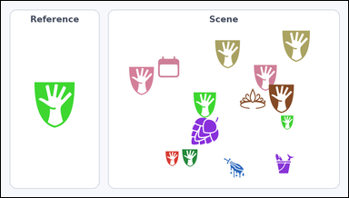 | 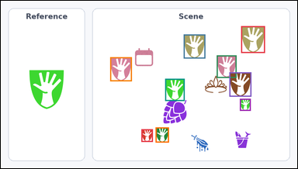 | task_icons_counting_type | same_icon_type | Use the image containing a Reference icon on the left and a Scene panel of icons on the right. Answer this question: How many icons in the Scene panel have the same icon type as the Reference icon? Return a valid JSON object with keys "evidence" and "answer" in that order. Evidence field: set "evidence" to a JSON array of [x_min, y_min, x_max, y_max] boxes in image pixel coordinates for all matching icons in the Scene panel, sorted from top to bottom and then left to right. Answer field: set "answer" to the count as an integer. Example JSON: {"evidence":[[318,146,394,222],[575,320,651,396]],"answer":2} | Use the image containing a Reference icon on the left and a Scene panel of icons on the right. Answer this question: How many icons in the Scene panel have the same icon type as the Reference icon? Return a valid JSON object with key "answer". Answer requirement: set "answer" to the count as an integer. Example JSON: {"answer":2} | {"evidence": [[778, 82, 855, 169], [592, 109, 662, 187], [699, 177, 763, 250], [354, 183, 424, 261], [740, 232, 811, 311], [532, 253, 595, 325], [774, 318, 809, 357], [501, 411, 544, 460], [455, 417, 492, 458]], "answer": 9} | [[778, 82, 855, 169], [592, 109, 662, 187], [699, 177, 763, 250], [354, 183, 424, 261], [740, 232, 811, 311], [532, 253, 595, 325], [774, 318, 809, 357], [501, 411, 544, 460], [455, 417, 492, 458]] | integer | bbox_set | 5.4297815177E+15 | icons/task_icons_counting_type/images/default/0004.png | icons/task_icons_counting_type/data/default/0004.json
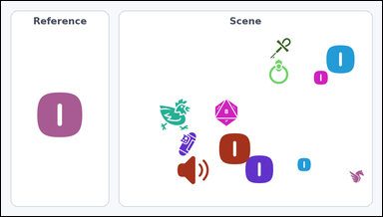 | 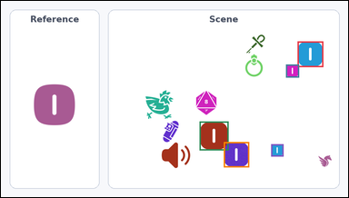 | task_icons_counting_type | same_icon_type | Look at the image with a Reference icon on the left and a Scene panel of icons on the right. Answer this question: How many icons in the Scene panel have the same icon type as the Reference icon? Return a valid JSON object with keys "evidence" and "answer" in that order. Evidence: set "evidence" to a JSON array of [x_min, y_min, x_max, y_max] boxes in image pixel coordinates for all matching icons in the Scene panel, sorted from top to bottom and then left to right. Answer: set "answer" to the count as an integer. Example JSON: {"evidence":[[318,146,394,222],[575,320,651,396]],"answer":2} | Look at the image with a Reference icon on the left and a Scene panel of icons on the right. Answer this question: How many icons in the Scene panel have the same icon type as the Reference icon? Return a valid JSON object with key "answer". Answer format: set "answer" to the count as an integer. Example JSON: {"answer":2} | {"evidence": [[820, 112, 891, 183], [788, 176, 824, 212], [549, 334, 629, 414], [616, 391, 686, 461], [747, 397, 781, 431]], "answer": 5} | [[820, 112, 891, 183], [788, 176, 824, 212], [549, 334, 629, 414], [616, 391, 686, 461], [747, 397, 781, 431]] | integer | bbox_set | 5.972057493E+15 | icons/task_icons_counting_type/images/default/0001.png | icons/task_icons_counting_type/data/default/0001.json
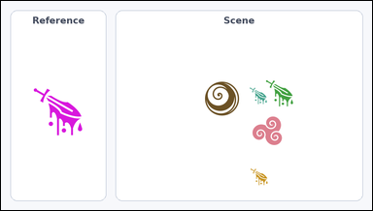 | 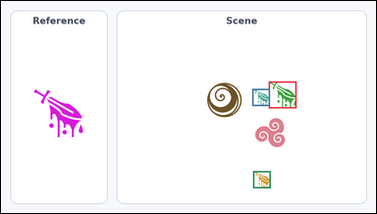 | task_icons_counting_type | same_icon_type | The image shows a Reference icon on the left and a Scene panel of icons on the right. Task: How many icons in the Scene panel have the same icon type as the Reference icon? Return a valid JSON object with keys "evidence" and "answer" in that order. Evidence rule: set "evidence" to a JSON array of [x_min, y_min, x_max, y_max] boxes in image pixel coordinates for all matching icons in the Scene panel, sorted from top to bottom and then left to right. Answer rule: set "answer" to the count as an integer. Example JSON: {"evidence":[[318,146,394,222],[575,320,651,396]],"answer":2} | The image shows a Reference icon on the left and a Scene panel of icons on the right. Task: How many icons in the Scene panel have the same icon type as the Reference icon? Return a valid JSON object with key "answer". Answer requirement: set "answer" to the count as an integer. Example JSON: {"answer":2} | {"evidence": [[685, 206, 756, 275], [643, 225, 688, 269], [645, 436, 690, 480]], "answer": 3} | [[685, 206, 756, 275], [643, 225, 688, 269], [645, 436, 690, 480]] | integer | bbox_set | 6.1092980616E+15 | icons/task_icons_counting_type/images/default/0003.png | icons/task_icons_counting_type/data/default/0003.json
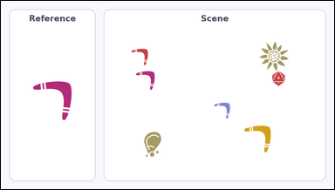 | 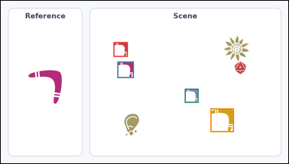 | task_icons_counting_type | same_icon_type | The image shows a Reference icon on the left and a Scene panel of icons on the right. Answer this question: How many icons in the Scene panel have the same icon type as the Reference icon? Return a valid JSON object with keys "evidence" and "answer" in that order. Evidence: set "evidence" to a JSON array of [x_min, y_min, x_max, y_max] boxes in image pixel coordinates for all matching icons in the Scene panel, sorted from top to bottom and then left to right. Answer: set "answer" to the count as an integer. Example JSON: {"evidence":[[318,146,394,222],[575,320,651,396]],"answer":2} | The image shows a Reference icon on the left and a Scene panel of icons on the right. Answer this question: How many icons in the Scene panel have the same icon type as the Reference icon? Return a valid JSON object with key "answer". Answer format: set "answer" to the count as an integer. Example JSON: {"answer":2} | {"evidence": [[376, 138, 424, 187], [389, 203, 444, 258], [614, 294, 660, 341], [700, 360, 778, 439]], "answer": 4} | [[376, 138, 424, 187], [389, 203, 444, 258], [614, 294, 660, 341], [700, 360, 778, 439]] | integer | bbox_set | 6.6615352547E+15 | icons/task_icons_counting_type/images/default/0009.png | icons/task_icons_counting_type/data/default/0009.json
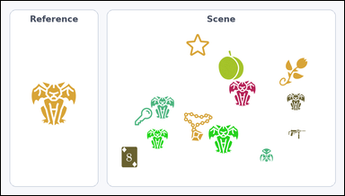 | 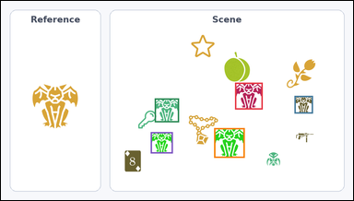 | task_icons_counting_type | same_icon_type | You are given an image with a Reference icon on the left and a Scene panel of icons on the right. Determine the answer: How many icons in the Scene panel have the same icon type as the Reference icon? Return a valid JSON object with keys "evidence" and "answer" in that order. Evidence requirement: set "evidence" to a JSON array of [x_min, y_min, x_max, y_max] boxes in image pixel coordinates for all matching icons in the Scene panel, sorted from top to bottom and then left to right. Answer format: set "answer" to the count as an integer. Example JSON: {"evidence":[[318,146,394,222],[575,320,651,396]],"answer":2} | You are given an image with a Reference icon on the left and a Scene panel of icons on the right. Determine the answer: How many icons in the Scene panel have the same icon type as the Reference icon? Return a valid JSON object with key "answer". Answer rule: set "answer" to the count as an integer. Example JSON: {"answer":2} | {"evidence": [[638, 223, 713, 296], [800, 259, 850, 307], [419, 266, 485, 331], [581, 347, 664, 428], [408, 358, 468, 416]], "answer": 5} | [[638, 223, 713, 296], [800, 259, 850, 307], [419, 266, 485, 331], [581, 347, 664, 428], [408, 358, 468, 416]] | integer | bbox_set | 6.6902080542E+15 | icons/task_icons_counting_type/images/default/0017.png | icons/task_icons_counting_type/data/default/0017.json
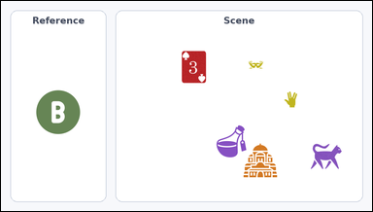 |  | task_icons_counting_type | same_icon_type | Work from the image with a Reference icon on the left and a Scene panel of icons on the right. Answer this question: How many icons in the Scene panel have the same icon type as the Reference icon? Return a valid JSON object with keys "evidence" and "answer" in that order. Evidence field: set "evidence" to a JSON array of [x_min, y_min, x_max, y_max] boxes in image pixel coordinates for all matching icons in the Scene panel, sorted from top to bottom and then left to right. Answer field: set "answer" to the count as an integer. Example JSON: {"evidence":[[318,146,394,222],[575,320,651,396]],"answer":2} | Work from the image with a Reference icon on the left and a Scene panel of icons on the right. Answer this question: How many icons in the Scene panel have the same icon type as the Reference icon? Return a valid JSON object with key "answer". Answer requirement: set "answer" to the count as an integer. Example JSON: {"answer":2} | {"evidence": [], "answer": 0} | [] | integer | bbox_set | 6.8021440558E+15 | icons/task_icons_counting_type/images/default/0020.png | icons/task_icons_counting_type/data/default/0020.json
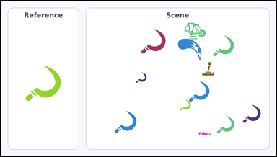 | 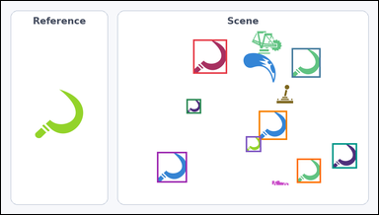 | task_icons_counting_type | same_icon_type | You are given an image with a Reference icon on the left and a Scene panel of icons on the right. Answer this question: How many icons in the Scene panel have the same icon type as the Reference icon? Return a valid JSON object with keys "evidence" and "answer" in that order. Evidence format: set "evidence" to a JSON array of [x_min, y_min, x_max, y_max] boxes in image pixel coordinates for all matching icons in the Scene panel, sorted from top to bottom and then left to right. Answer requirement: set "answer" to the count as an integer. Example JSON: {"evidence":[[318,146,394,222],[575,320,651,396]],"answer":2} | You are given an image with a Reference icon on the left and a Scene panel of icons on the right. Answer this question: How many icons in the Scene panel have the same icon type as the Reference icon? Return a valid JSON object with key "answer". Answer field: set "answer" to the count as an integer. Example JSON: {"answer":2} | {"evidence": [[489, 98, 575, 185], [740, 120, 813, 195], [472, 250, 509, 287], [656, 280, 728, 354], [623, 345, 662, 385], [843, 363, 906, 427], [397, 385, 473, 463], [753, 402, 814, 464]], "answer": 8} | [[489, 98, 575, 185], [740, 120, 813, 195], [472, 250, 509, 287], [656, 280, 728, 354], [623, 345, 662, 385], [843, 363, 906, 427], [397, 385, 473, 463], [753, 402, 814, 464]] | integer | bbox_set | 7.7116490069E+15 | icons/task_icons_counting_type/images/default/0022.png | icons/task_icons_counting_type/data/default/0022.json
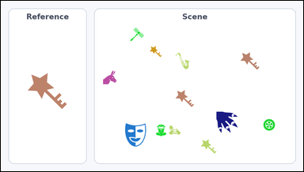 | 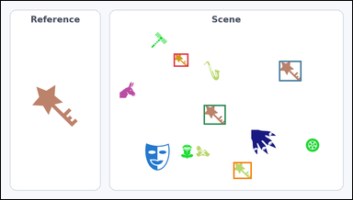 | task_icons_counting_type | same_icon_type | Use the image containing a Reference icon on the left and a Scene panel of icons on the right. Task: How many icons in the Scene panel have the same icon type as the Reference icon? Return a valid JSON object with keys "evidence" and "answer" in that order. Evidence: set "evidence" to a JSON array of [x_min, y_min, x_max, y_max] boxes in image pixel coordinates for all matching icons in the Scene panel, sorted from top to bottom and then left to right. Answer: set "answer" to the count as an integer. Example JSON: {"evidence":[[318,146,394,222],[575,320,651,396]],"answer":2} | Use the image containing a Reference icon on the left and a Scene panel of icons on the right. Task: How many icons in the Scene panel have the same icon type as the Reference icon? Return a valid JSON object with key "answer". Answer: set "answer" to the count as an integer. Example JSON: {"answer":2} | {"evidence": [[472, 144, 512, 180], [760, 164, 821, 220], [554, 285, 614, 339], [635, 442, 685, 488]], "answer": 4} | [[472, 144, 512, 180], [760, 164, 821, 220], [554, 285, 614, 339], [635, 442, 685, 488]] | integer | bbox_set | 8.0606825699E+15 | icons/task_icons_counting_type/images/default/0010.png | icons/task_icons_counting_type/data/default/0010.json

