row_col_rotation_grid_violation
image | evidence_image | task | task_variant | prompt | prompt_answer_only | answer | answer_evidence | answer_type | evidence_type | instance_seed | image_path | data_path
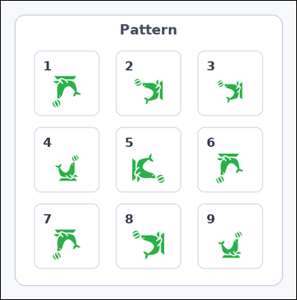 | 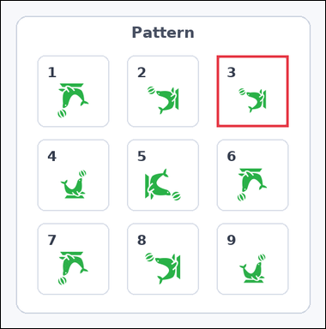 | task_icons_pattern_grid_rotation_violation | row_col_rotation_grid_violation | You are given an image with a 3 by 3 grid of numbered boxes, each containing one icon. Task: Which numbered box breaks the 2D rotation pattern? Return a valid JSON object with keys "evidence" and "answer" in that order. Evidence format: set "evidence" to a JSON array containing exactly one [x_min, y_min, x_max, y_max] box in image pixel coordinates for the violating grid box. Answer requirement: set "answer" to the violating box index as an integer. Example JSON: {"evidence":[[540,126,654,458]],"answer":5} | You are given an image with a 3 by 3 grid of numbered boxes, each containing one icon. Task: Which numbered box breaks the 2D rotation pattern? Return a valid JSON object with key "answer". Answer format: set "answer" to the violating box index as an integer. Example JSON: {"answer":5} | {"evidence": [[344, 87, 458, 201]], "answer": 3} | [[344, 87, 458, 201]] | integer | bbox_set | 916601914214578 | icons/task_icons_pattern_grid_rotation_violation/images/default/0004.png | icons/task_icons_pattern_grid_rotation_violation/data/default/0004.json
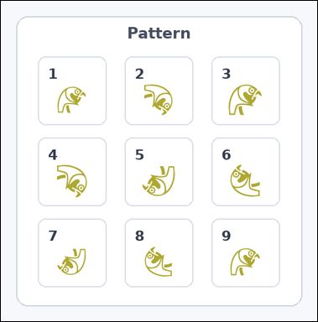 | 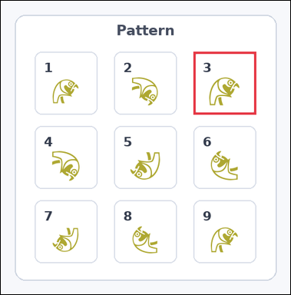 | task_icons_pattern_grid_rotation_violation | row_col_rotation_grid_violation | Use the image containing a 3 by 3 grid of numbered boxes, each containing one icon. Task: Which numbered box breaks the 2D rotation pattern? Return a valid JSON object with keys "evidence" and "answer" in that order. Evidence rule: set "evidence" to a JSON array containing exactly one [x_min, y_min, x_max, y_max] box in image pixel coordinates for the violating grid box. Answer rule: set "answer" to the violating box index as an integer. Example JSON: {"evidence":[[540,126,654,458]],"answer":5} | Use the image containing a 3 by 3 grid of numbered boxes, each containing one icon. Task: Which numbered box breaks the 2D rotation pattern? Return a valid JSON object with key "answer". Answer requirement: set "answer" to the violating box index as an integer. Example JSON: {"answer":5} | {"evidence": [[330, 87, 437, 194]], "answer": 3} | [[330, 87, 437, 194]] | integer | bbox_set | 1.2551572561E+15 | icons/task_icons_pattern_grid_rotation_violation/images/default/0006.png | icons/task_icons_pattern_grid_rotation_violation/data/default/0006.json
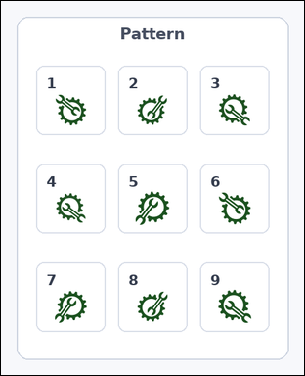 | 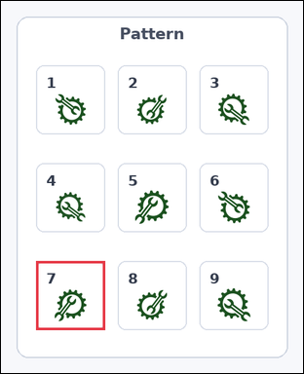 | task_icons_pattern_grid_rotation_violation | row_col_rotation_grid_violation | The image shows a 3 by 3 grid of numbered boxes, each containing one icon. Question: Which numbered box breaks the 2D rotation pattern? Return a valid JSON object with keys "evidence" and "answer" in that order. Evidence field: set "evidence" to a JSON array containing exactly one [x_min, y_min, x_max, y_max] box in image pixel coordinates for the violating grid box. Answer field: set "answer" to the violating box index as an integer. Example JSON: {"evidence":[[540,126,654,458]],"answer":5} | The image shows a 3 by 3 grid of numbered boxes, each containing one icon. Question: Which numbered box breaks the 2D rotation pattern? Return a valid JSON object with key "answer". Answer rule: set "answer" to the violating box index as an integer. Example JSON: {"answer":5} | {"evidence": [[54, 401, 160, 507]], "answer": 7} | [[54, 401, 160, 507]] | integer | bbox_set | 1.5213626454E+15 | icons/task_icons_pattern_grid_rotation_violation/images/default/0003.png | icons/task_icons_pattern_grid_rotation_violation/data/default/0003.json
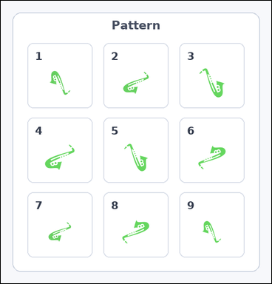 | 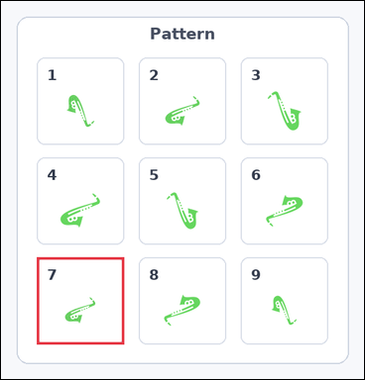 | task_icons_pattern_grid_rotation_violation | row_col_rotation_grid_violation | Look at the image with a 3 by 3 grid of numbered boxes, each containing one icon. Answer this question: Which numbered box breaks the 2D rotation pattern? Return a valid JSON object with keys "evidence" and "answer" in that order. Evidence requirement: set "evidence" to a JSON array containing exactly one [x_min, y_min, x_max, y_max] box in image pixel coordinates for the violating grid box. Answer format: set "answer" to the violating box index as an integer. Example JSON: {"evidence":[[540,126,654,458]],"answer":5} | Look at the image with a 3 by 3 grid of numbered boxes, each containing one icon. Answer this question: Which numbered box breaks the 2D rotation pattern? Return a valid JSON object with key "answer". Answer format: set "answer" to the violating box index as an integer. Example JSON: {"answer":5} | {"evidence": [[55, 395, 189, 529]], "answer": 7} | [[55, 395, 189, 529]] | integer | bbox_set | 1.5505342532E+15 | icons/task_icons_pattern_grid_rotation_violation/images/default/0005.png | icons/task_icons_pattern_grid_rotation_violation/data/default/0005.json
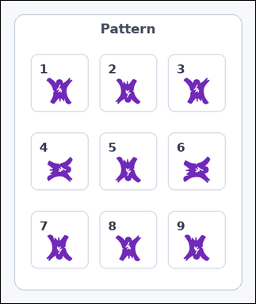 | 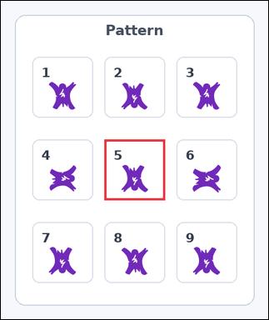 | task_icons_pattern_grid_rotation_violation | row_col_rotation_grid_violation | Look at the image with a 3 by 3 grid of numbered boxes, each containing one icon. Task: Which numbered box breaks the 2D rotation pattern? Return a valid JSON object with keys "evidence" and "answer" in that order. Evidence format: set "evidence" to a JSON array containing exactly one [x_min, y_min, x_max, y_max] box in image pixel coordinates for the violating grid box. Answer requirement: set "answer" to the violating box index as an integer. Example JSON: {"evidence":[[540,126,654,458]],"answer":5} | Look at the image with a 3 by 3 grid of numbered boxes, each containing one icon. Task: Which numbered box breaks the 2D rotation pattern? Return a valid JSON object with key "answer". Answer field: set "answer" to the violating box index as an integer. Example JSON: {"answer":5} | {"evidence": [[178, 238, 282, 342]], "answer": 5} | [[178, 238, 282, 342]] | integer | bbox_set | 1.6389447919E+15 | icons/task_icons_pattern_grid_rotation_violation/images/default/0001.png | icons/task_icons_pattern_grid_rotation_violation/data/default/0001.json
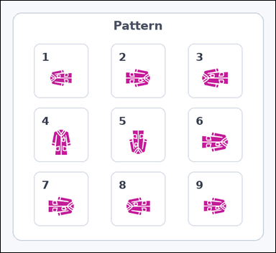 | 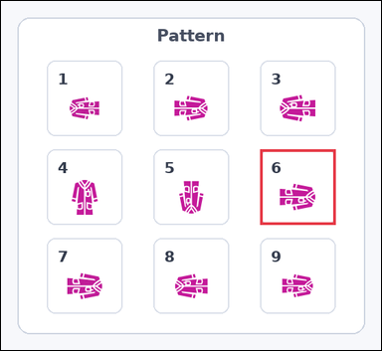 | task_icons_pattern_grid_rotation_violation | row_col_rotation_grid_violation | Work from the image with a 3 by 3 grid of numbered boxes, each containing one icon. Which numbered box breaks the 2D rotation pattern? Return a valid JSON object with keys "evidence" and "answer" in that order. Evidence rule: set "evidence" to a JSON array containing exactly one [x_min, y_min, x_max, y_max] box in image pixel coordinates for the violating grid box. Answer rule: set "answer" to the violating box index as an integer. Example JSON: {"evidence":[[540,126,654,458]],"answer":5} | Work from the image with a 3 by 3 grid of numbered boxes, each containing one icon. Which numbered box breaks the 2D rotation pattern? Return a valid JSON object with key "answer". Answer: set "answer" to the violating box index as an integer. Example JSON: {"answer":5} | {"evidence": [[379, 217, 489, 327]], "answer": 6} | [[379, 217, 489, 327]] | integer | bbox_set | 1.9798492334E+15 | icons/task_icons_pattern_grid_rotation_violation/images/default/0014.png | icons/task_icons_pattern_grid_rotation_violation/data/default/0014.json
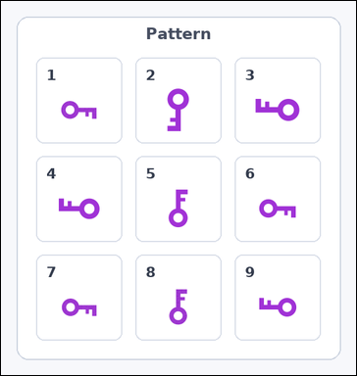 | 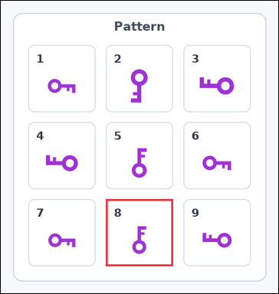 | task_icons_pattern_grid_rotation_violation | row_col_rotation_grid_violation | You are given an image with a 3 by 3 grid of numbered boxes, each containing one icon. Answer this question: Which numbered box breaks the 2D rotation pattern? Return a valid JSON object with keys "evidence" and "answer" in that order. Evidence format: set "evidence" to a JSON array containing exactly one [x_min, y_min, x_max, y_max] box in image pixel coordinates for the violating grid box. Answer requirement: set "answer" to the violating box index as an integer. Example JSON: {"evidence":[[540,126,654,458]],"answer":5} | You are given an image with a 3 by 3 grid of numbered boxes, each containing one icon. Answer this question: Which numbered box breaks the 2D rotation pattern? Return a valid JSON object with key "answer". Answer: set "answer" to the violating box index as an integer. Example JSON: {"answer":5} | {"evidence": [[207, 391, 339, 523]], "answer": 8} | [[207, 391, 339, 523]] | integer | bbox_set | 2.055385467E+15 | icons/task_icons_pattern_grid_rotation_violation/images/default/0024.png | icons/task_icons_pattern_grid_rotation_violation/data/default/0024.json
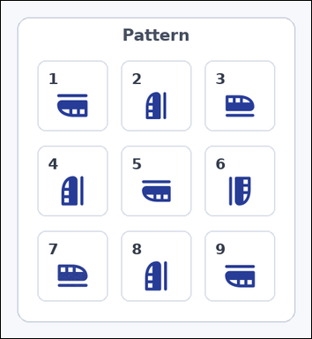 | 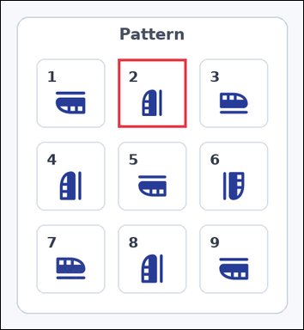 | task_icons_pattern_grid_rotation_violation | row_col_rotation_grid_violation | Use the image containing a 3 by 3 grid of numbered boxes, each containing one icon. Determine the answer: Which numbered box breaks the 2D rotation pattern? Return a valid JSON object with keys "evidence" and "answer" in that order. Evidence field: set "evidence" to a JSON array containing exactly one [x_min, y_min, x_max, y_max] box in image pixel coordinates for the violating grid box. Answer field: set "answer" to the violating box index as an integer. Example JSON: {"evidence":[[540,126,654,458]],"answer":5} | Use the image containing a 3 by 3 grid of numbered boxes, each containing one icon. Determine the answer: Which numbered box breaks the 2D rotation pattern? Return a valid JSON object with key "answer". Answer format: set "answer" to the violating box index as an integer. Example JSON: {"answer":5} | {"evidence": [[178, 88, 282, 192]], "answer": 2} | [[178, 88, 282, 192]] | integer | bbox_set | 2.7929971618E+15 | icons/task_icons_pattern_grid_rotation_violation/images/default/0016.png | icons/task_icons_pattern_grid_rotation_violation/data/default/0016.json
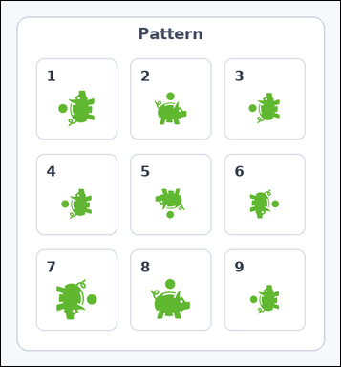 | 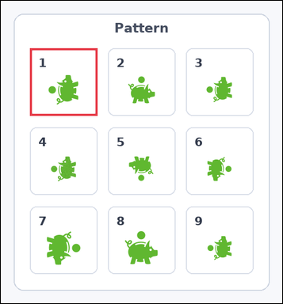 | task_icons_pattern_grid_rotation_violation | row_col_rotation_grid_violation | You are given an image with a 3 by 3 grid of numbered boxes, each containing one icon. Question: Which numbered box breaks the 2D rotation pattern? Return a valid JSON object with keys "evidence" and "answer" in that order. Evidence: set "evidence" to a JSON array containing exactly one [x_min, y_min, x_max, y_max] box in image pixel coordinates for the violating grid box. Answer: set "answer" to the violating box index as an integer. Example JSON: {"evidence":[[540,126,654,458]],"answer":5} | You are given an image with a 3 by 3 grid of numbered boxes, each containing one icon. Question: Which numbered box breaks the 2D rotation pattern? Return a valid JSON object with key "answer". Answer format: set "answer" to the violating box index as an integer. Example JSON: {"answer":5} | {"evidence": [[54, 88, 179, 213]], "answer": 1} | [[54, 88, 179, 213]] | integer | bbox_set | 3.4397208445E+15 | icons/task_icons_pattern_grid_rotation_violation/images/default/0019.png | icons/task_icons_pattern_grid_rotation_violation/data/default/0019.json
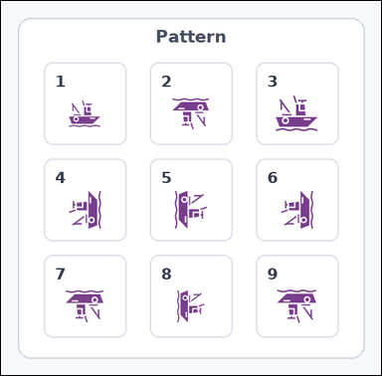 | 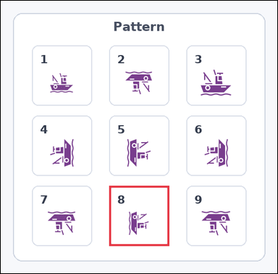 | task_icons_pattern_grid_rotation_violation | row_col_rotation_grid_violation | The image shows a 3 by 3 grid of numbered boxes, each containing one icon. Question: Which numbered box breaks the 2D rotation pattern? Return a valid JSON object with keys "evidence" and "answer" in that order. Evidence: set "evidence" to a JSON array containing exactly one [x_min, y_min, x_max, y_max] box in image pixel coordinates for the violating grid box. Answer: set "answer" to the violating box index as an integer. Example JSON: {"evidence":[[540,126,654,458]],"answer":5} | The image shows a 3 by 3 grid of numbered boxes, each containing one icon. Question: Which numbered box breaks the 2D rotation pattern? Return a valid JSON object with key "answer". Answer rule: set "answer" to the violating box index as an integer. Example JSON: {"answer":5} | {"evidence": [[212, 361, 329, 478]], "answer": 8} | [[212, 361, 329, 478]] | integer | bbox_set | 3.8962913555E+15 | icons/task_icons_pattern_grid_rotation_violation/images/default/0011.png | icons/task_icons_pattern_grid_rotation_violation/data/default/0011.json
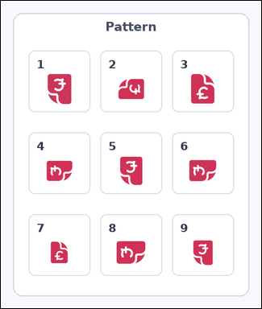 | 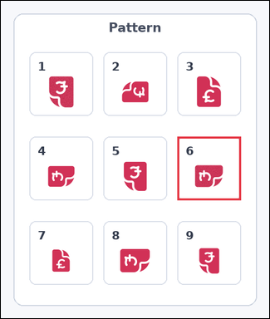 | task_icons_pattern_grid_rotation_violation | row_col_rotation_grid_violation | Look at the image with a 3 by 3 grid of numbered boxes, each containing one icon. Answer this question: Which numbered box breaks the 2D rotation pattern? Return a valid JSON object with keys "evidence" and "answer" in that order. Evidence requirement: set "evidence" to a JSON array containing exactly one [x_min, y_min, x_max, y_max] box in image pixel coordinates for the violating grid box. Answer format: set "answer" to the violating box index as an integer. Example JSON: {"evidence":[[540,126,654,458]],"answer":5} | Look at the image with a 3 by 3 grid of numbered boxes, each containing one icon. Answer this question: Which numbered box breaks the 2D rotation pattern? Return a valid JSON object with key "answer". Answer field: set "answer" to the violating box index as an integer. Example JSON: {"answer":5} | {"evidence": [[334, 257, 454, 377]], "answer": 6} | [[334, 257, 454, 377]] | integer | bbox_set | 4.4251701068E+15 | icons/task_icons_pattern_grid_rotation_violation/images/default/0018.png | icons/task_icons_pattern_grid_rotation_violation/data/default/0018.json
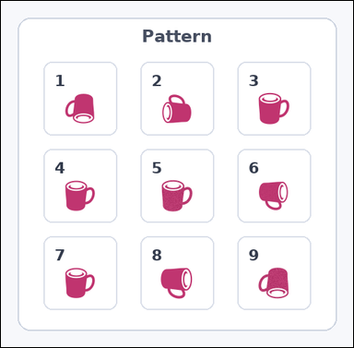 | 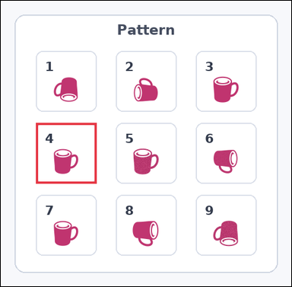 | task_icons_pattern_grid_rotation_violation | row_col_rotation_grid_violation | Work from the image with a 3 by 3 grid of numbered boxes, each containing one icon. Answer this question: Which numbered box breaks the 2D rotation pattern? Return a valid JSON object with keys "evidence" and "answer" in that order. Evidence field: set "evidence" to a JSON array containing exactly one [x_min, y_min, x_max, y_max] box in image pixel coordinates for the violating grid box. Answer field: set "answer" to the violating box index as an integer. Example JSON: {"evidence":[[540,126,654,458]],"answer":5} | Work from the image with a 3 by 3 grid of numbered boxes, each containing one icon. Answer this question: Which numbered box breaks the 2D rotation pattern? Return a valid JSON object with key "answer". Answer: set "answer" to the violating box index as an integer. Example JSON: {"answer":5} | {"evidence": [[61, 212, 166, 317]], "answer": 4} | [[61, 212, 166, 317]] | integer | bbox_set | 4.5493851532E+15 | icons/task_icons_pattern_grid_rotation_violation/images/default/0023.png | icons/task_icons_pattern_grid_rotation_violation/data/default/0023.json
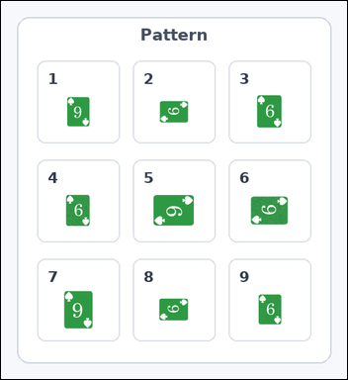 | 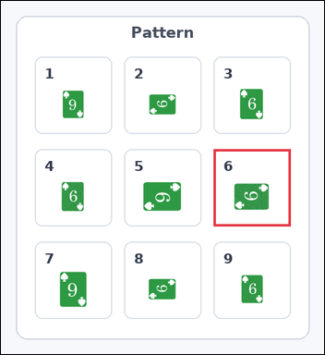 | task_icons_pattern_grid_rotation_violation | row_col_rotation_grid_violation | Work from the image with a 3 by 3 grid of numbered boxes, each containing one icon. Which numbered box breaks the 2D rotation pattern? Return a valid JSON object with keys "evidence" and "answer" in that order. Evidence rule: set "evidence" to a JSON array containing exactly one [x_min, y_min, x_max, y_max] box in image pixel coordinates for the violating grid box. Answer rule: set "answer" to the violating box index as an integer. Example JSON: {"evidence":[[540,126,654,458]],"answer":5} | Work from the image with a 3 by 3 grid of numbered boxes, each containing one icon. Which numbered box breaks the 2D rotation pattern? Return a valid JSON object with key "answer". Answer format: set "answer" to the violating box index as an integer. Example JSON: {"answer":5} | {"evidence": [[340, 237, 463, 360]], "answer": 6} | [[340, 237, 463, 360]] | integer | bbox_set | 4.5800951443E+15 | icons/task_icons_pattern_grid_rotation_violation/images/default/0009.png | icons/task_icons_pattern_grid_rotation_violation/data/default/0009.json
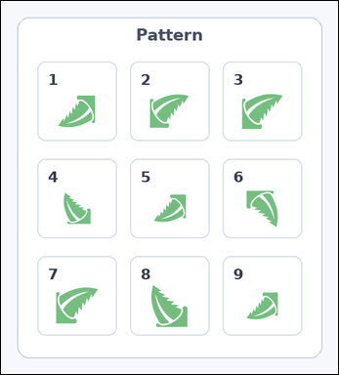 | 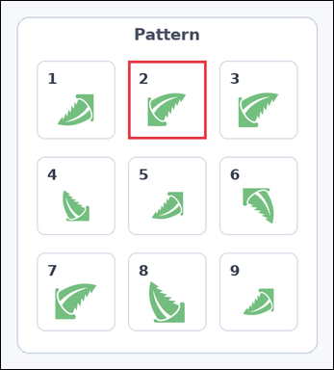 | task_icons_pattern_grid_rotation_violation | row_col_rotation_grid_violation | The image shows a 3 by 3 grid of numbered boxes, each containing one icon. Determine the answer: Which numbered box breaks the 2D rotation pattern? Return a valid JSON object with keys "evidence" and "answer" in that order. Evidence format: set "evidence" to a JSON array containing exactly one [x_min, y_min, x_max, y_max] box in image pixel coordinates for the violating grid box. Answer requirement: set "answer" to the violating box index as an integer. Example JSON: {"evidence":[[540,126,654,458]],"answer":5} | The image shows a 3 by 3 grid of numbered boxes, each containing one icon. Determine the answer: Which numbered box breaks the 2D rotation pattern? Return a valid JSON object with key "answer". Answer requirement: set "answer" to the violating box index as an integer. Example JSON: {"answer":5} | {"evidence": [[192, 90, 310, 208]], "answer": 2} | [[192, 90, 310, 208]] | integer | bbox_set | 5.0726821674E+15 | icons/task_icons_pattern_grid_rotation_violation/images/default/0008.png | icons/task_icons_pattern_grid_rotation_violation/data/default/0008.json
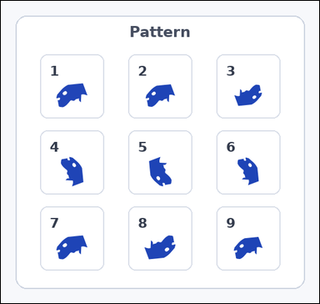 | 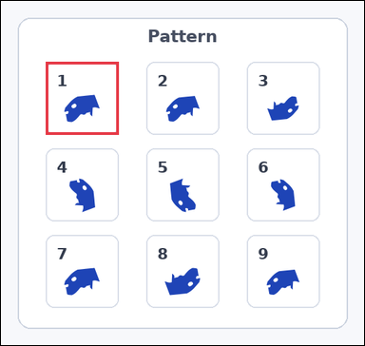 | task_icons_pattern_grid_rotation_violation | row_col_rotation_grid_violation | The image shows a 3 by 3 grid of numbered boxes, each containing one icon. Answer this question: Which numbered box breaks the 2D rotation pattern? Return a valid JSON object with keys "evidence" and "answer" in that order. Evidence field: set "evidence" to a JSON array containing exactly one [x_min, y_min, x_max, y_max] box in image pixel coordinates for the violating grid box. Answer field: set "answer" to the violating box index as an integer. Example JSON: {"evidence":[[540,126,654,458]],"answer":5} | The image shows a 3 by 3 grid of numbered boxes, each containing one icon. Answer this question: Which numbered box breaks the 2D rotation pattern? Return a valid JSON object with key "answer". Answer format: set "answer" to the violating box index as an integer. Example JSON: {"answer":5} | {"evidence": [[64, 87, 168, 191]], "answer": 1} | [[64, 87, 168, 191]] | integer | bbox_set | 5.9043258427E+15 | icons/task_icons_pattern_grid_rotation_violation/images/default/0020.png | icons/task_icons_pattern_grid_rotation_violation/data/default/0020.json
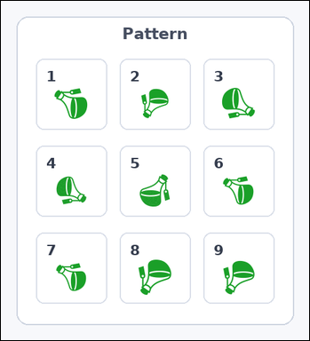 | 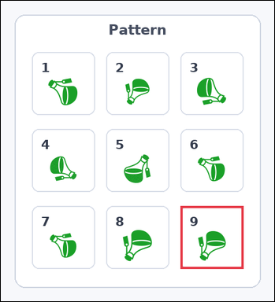 | task_icons_pattern_grid_rotation_violation | row_col_rotation_grid_violation | You are given an image with a 3 by 3 grid of numbered boxes, each containing one icon. Task: Which numbered box breaks the 2D rotation pattern? Return a valid JSON object with keys "evidence" and "answer" in that order. Evidence requirement: set "evidence" to a JSON array containing exactly one [x_min, y_min, x_max, y_max] box in image pixel coordinates for the violating grid box. Answer format: set "answer" to the violating box index as an integer. Example JSON: {"evidence":[[540,126,654,458]],"answer":5} | You are given an image with a 3 by 3 grid of numbered boxes, each containing one icon. Task: Which numbered box breaks the 2D rotation pattern? Return a valid JSON object with key "answer". Answer format: set "answer" to the violating box index as an integer. Example JSON: {"answer":5} | {"evidence": [[312, 357, 421, 466]], "answer": 9} | [[312, 357, 421, 466]] | integer | bbox_set | 6.1127896127E+15 | icons/task_icons_pattern_grid_rotation_violation/images/default/0022.png | icons/task_icons_pattern_grid_rotation_violation/data/default/0022.json
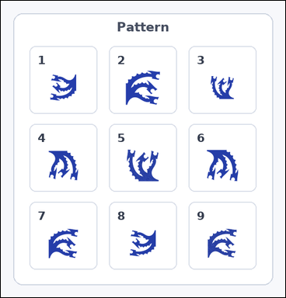 | 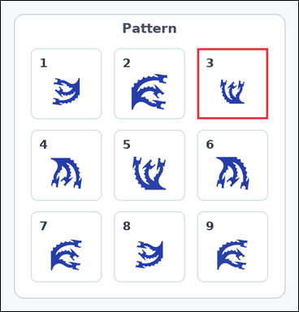 | task_icons_pattern_grid_rotation_violation | row_col_rotation_grid_violation | You are given an image with a 3 by 3 grid of numbered boxes, each containing one icon. Question: Which numbered box breaks the 2D rotation pattern? Return a valid JSON object with keys "evidence" and "answer" in that order. Evidence field: set "evidence" to a JSON array containing exactly one [x_min, y_min, x_max, y_max] box in image pixel coordinates for the violating grid box. Answer field: set "answer" to the violating box index as an integer. Example JSON: {"evidence":[[540,126,654,458]],"answer":5} | You are given an image with a 3 by 3 grid of numbered boxes, each containing one icon. Question: Which numbered box breaks the 2D rotation pattern? Return a valid JSON object with key "answer". Answer rule: set "answer" to the violating box index as an integer. Example JSON: {"answer":5} | {"evidence": [[361, 87, 491, 217]], "answer": 3} | [[361, 87, 491, 217]] | integer | bbox_set | 6.9640850365E+15 | icons/task_icons_pattern_grid_rotation_violation/images/default/0012.png | icons/task_icons_pattern_grid_rotation_violation/data/default/0012.json
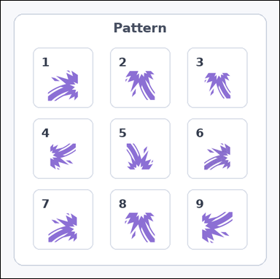 | 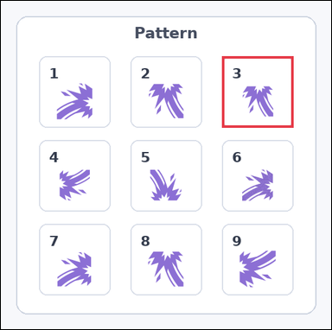 | task_icons_pattern_grid_rotation_violation | row_col_rotation_grid_violation | The image shows a 3 by 3 grid of numbered boxes, each containing one icon. Which numbered box breaks the 2D rotation pattern? Return a valid JSON object with keys "evidence" and "answer" in that order. Evidence format: set "evidence" to a JSON array containing exactly one [x_min, y_min, x_max, y_max] box in image pixel coordinates for the violating grid box. Answer requirement: set "answer" to the violating box index as an integer. Example JSON: {"evidence":[[540,126,654,458]],"answer":5} | The image shows a 3 by 3 grid of numbered boxes, each containing one icon. Which numbered box breaks the 2D rotation pattern? Return a valid JSON object with key "answer". Answer rule: set "answer" to the violating box index as an integer. Example JSON: {"answer":5} | {"evidence": [[348, 87, 460, 199]], "answer": 3} | [[348, 87, 460, 199]] | integer | bbox_set | 7.079848978E+15 | icons/task_icons_pattern_grid_rotation_violation/images/default/0013.png | icons/task_icons_pattern_grid_rotation_violation/data/default/0013.json
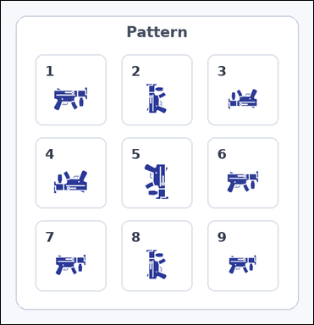 | 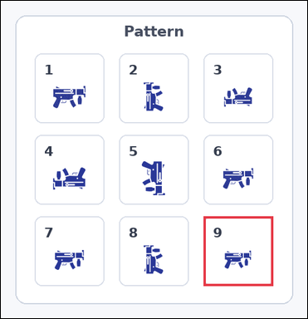 | task_icons_pattern_grid_rotation_violation | row_col_rotation_grid_violation | Use the image containing a 3 by 3 grid of numbered boxes, each containing one icon. Determine the answer: Which numbered box breaks the 2D rotation pattern? Return a valid JSON object with keys "evidence" and "answer" in that order. Evidence format: set "evidence" to a JSON array containing exactly one [x_min, y_min, x_max, y_max] box in image pixel coordinates for the violating grid box. Answer requirement: set "answer" to the violating box index as an integer. Example JSON: {"evidence":[[540,126,654,458]],"answer":5} | Use the image containing a 3 by 3 grid of numbered boxes, each containing one icon. Determine the answer: Which numbered box breaks the 2D rotation pattern? Return a valid JSON object with key "answer". Answer rule: set "answer" to the violating box index as an integer. Example JSON: {"answer":5} | {"evidence": [[336, 357, 451, 472]], "answer": 9} | [[336, 357, 451, 472]] | integer | bbox_set | 7.5893415314E+15 | icons/task_icons_pattern_grid_rotation_violation/images/default/0017.png | icons/task_icons_pattern_grid_rotation_violation/data/default/0017.json
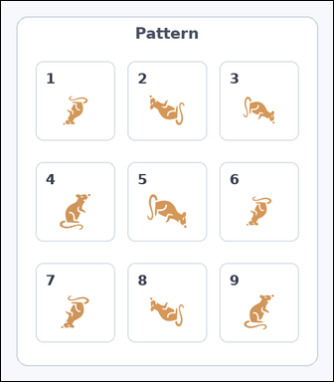 | 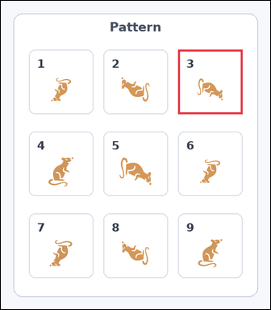 | task_icons_pattern_grid_rotation_violation | row_col_rotation_grid_violation | Look at the image with a 3 by 3 grid of numbered boxes, each containing one icon. Determine the answer: Which numbered box breaks the 2D rotation pattern? Return a valid JSON object with keys "evidence" and "answer" in that order. Evidence format: set "evidence" to a JSON array containing exactly one [x_min, y_min, x_max, y_max] box in image pixel coordinates for the violating grid box. Answer requirement: set "answer" to the violating box index as an integer. Example JSON: {"evidence":[[540,126,654,458]],"answer":5} | Look at the image with a 3 by 3 grid of numbered boxes, each containing one icon. Determine the answer: Which numbered box breaks the 2D rotation pattern? Return a valid JSON object with key "answer". Answer rule: set "answer" to the violating box index as an integer. Example JSON: {"answer":5} | {"evidence": [[342, 94, 466, 218]], "answer": 3} | [[342, 94, 466, 218]] | integer | bbox_set | 8.0640171588E+15 | icons/task_icons_pattern_grid_rotation_violation/images/default/0015.png | icons/task_icons_pattern_grid_rotation_violation/data/default/0015.json
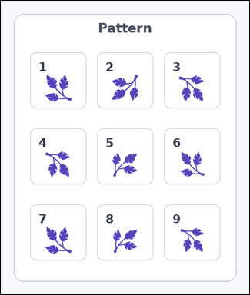 | 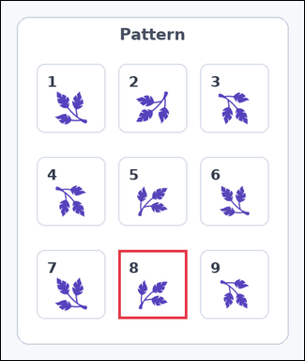 | task_icons_pattern_grid_rotation_violation | row_col_rotation_grid_violation | You are given an image with a 3 by 3 grid of numbered boxes, each containing one icon. Question: Which numbered box breaks the 2D rotation pattern? Return a valid JSON object with keys "evidence" and "answer" in that order. Evidence requirement: set "evidence" to a JSON array containing exactly one [x_min, y_min, x_max, y_max] box in image pixel coordinates for the violating grid box. Answer format: set "answer" to the violating box index as an integer. Example JSON: {"evidence":[[540,126,654,458]],"answer":5} | You are given an image with a 3 by 3 grid of numbered boxes, each containing one icon. Question: Which numbered box breaks the 2D rotation pattern? Return a valid JSON object with key "answer". Answer format: set "answer" to the violating box index as an integer. Example JSON: {"answer":5} | {"evidence": [[178, 377, 282, 481]], "answer": 8} | [[178, 377, 282, 481]] | integer | bbox_set | 8.4838260266E+15 | icons/task_icons_pattern_grid_rotation_violation/images/default/0000.png | icons/task_icons_pattern_grid_rotation_violation/data/default/0000.json
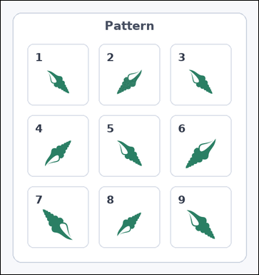 | 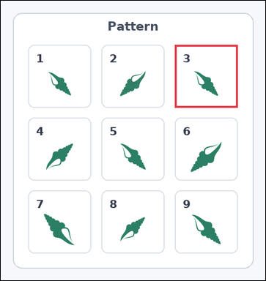 | task_icons_pattern_grid_rotation_violation | row_col_rotation_grid_violation | You are given an image with a 3 by 3 grid of numbered boxes, each containing one icon. Which numbered box breaks the 2D rotation pattern? Return a valid JSON object with keys "evidence" and "answer" in that order. Evidence format: set "evidence" to a JSON array containing exactly one [x_min, y_min, x_max, y_max] box in image pixel coordinates for the violating grid box. Answer requirement: set "answer" to the violating box index as an integer. Example JSON: {"evidence":[[540,126,654,458]],"answer":5} | You are given an image with a 3 by 3 grid of numbered boxes, each containing one icon. Which numbered box breaks the 2D rotation pattern? Return a valid JSON object with key "answer". Answer format: set "answer" to the violating box index as an integer. Example JSON: {"answer":5} | {"evidence": [[344, 87, 468, 211]], "answer": 3} | [[344, 87, 468, 211]] | integer | bbox_set | 8.7501999682E+15 | icons/task_icons_pattern_grid_rotation_violation/images/default/0002.png | icons/task_icons_pattern_grid_rotation_violation/data/default/0002.json
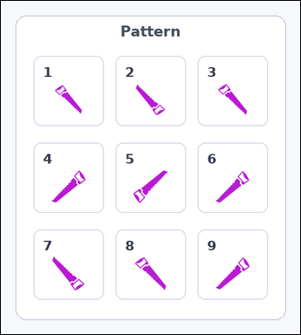 | 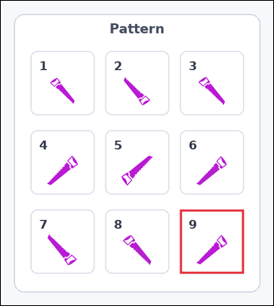 | task_icons_pattern_grid_rotation_violation | row_col_rotation_grid_violation | Look at the image with a 3 by 3 grid of numbered boxes, each containing one icon. Question: Which numbered box breaks the 2D rotation pattern? Return a valid JSON object with keys "evidence" and "answer" in that order. Evidence rule: set "evidence" to a JSON array containing exactly one [x_min, y_min, x_max, y_max] box in image pixel coordinates for the violating grid box. Answer rule: set "answer" to the violating box index as an integer. Example JSON: {"evidence":[[540,126,654,458]],"answer":5} | Look at the image with a 3 by 3 grid of numbered boxes, each containing one icon. Question: Which numbered box breaks the 2D rotation pattern? Return a valid JSON object with key "answer". Answer requirement: set "answer" to the violating box index as an integer. Example JSON: {"answer":5} | {"evidence": [[326, 379, 442, 495]], "answer": 9} | [[326, 379, 442, 495]] | integer | bbox_set | 8.807189908E+15 | icons/task_icons_pattern_grid_rotation_violation/images/default/0007.png | icons/task_icons_pattern_grid_rotation_violation/data/default/0007.json
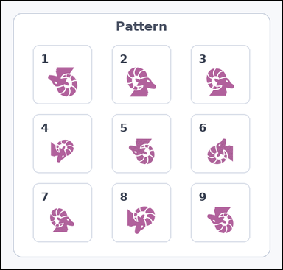 | 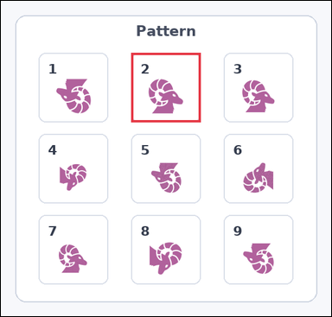 | task_icons_pattern_grid_rotation_violation | row_col_rotation_grid_violation | The image shows a 3 by 3 grid of numbered boxes, each containing one icon. Question: Which numbered box breaks the 2D rotation pattern? Return a valid JSON object with keys "evidence" and "answer" in that order. Evidence requirement: set "evidence" to a JSON array containing exactly one [x_min, y_min, x_max, y_max] box in image pixel coordinates for the violating grid box. Answer format: set "answer" to the violating box index as an integer. Example JSON: {"evidence":[[540,126,654,458]],"answer":5} | The image shows a 3 by 3 grid of numbered boxes, each containing one icon. Question: Which numbered box breaks the 2D rotation pattern? Return a valid JSON object with key "answer". Answer format: set "answer" to the violating box index as an integer. Example JSON: {"answer":5} | {"evidence": [[218, 87, 334, 203]], "answer": 2} | [[218, 87, 334, 203]] | integer | bbox_set | 8.875110353E+15 | icons/task_icons_pattern_grid_rotation_violation/images/default/0021.png | icons/task_icons_pattern_grid_rotation_violation/data/default/0021.json
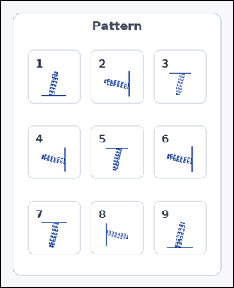 | 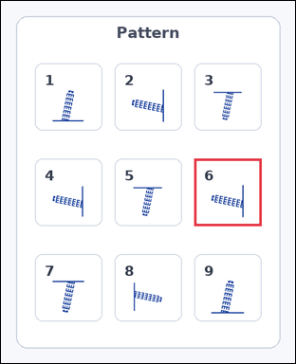 | task_icons_pattern_grid_rotation_violation | row_col_rotation_grid_violation | Use the image containing a 3 by 3 grid of numbered boxes, each containing one icon. Which numbered box breaks the 2D rotation pattern? Return a valid JSON object with keys "evidence" and "answer" in that order. Evidence format: set "evidence" to a JSON array containing exactly one [x_min, y_min, x_max, y_max] box in image pixel coordinates for the violating grid box. Answer requirement: set "answer" to the violating box index as an integer. Example JSON: {"evidence":[[540,126,654,458]],"answer":5} | Use the image containing a 3 by 3 grid of numbered boxes, each containing one icon. Which numbered box breaks the 2D rotation pattern? Return a valid JSON object with key "answer". Answer: set "answer" to the violating box index as an integer. Example JSON: {"answer":5} | {"evidence": [[308, 251, 415, 358]], "answer": 6} | [[308, 251, 415, 358]] | integer | bbox_set | 8.9918699269E+15 | icons/task_icons_pattern_grid_rotation_violation/images/default/0010.png | icons/task_icons_pattern_grid_rotation_violation/data/default/0010.json

