row_col_size_grid_violation
image | evidence_image | task | task_variant | prompt | prompt_answer_only | answer | answer_evidence | answer_type | evidence_type | instance_seed | image_path | data_path
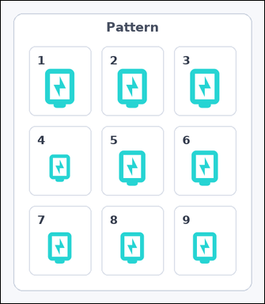 | 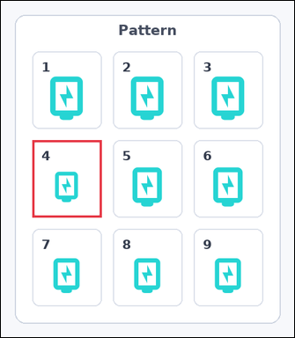 | task_icons_pattern_grid_size_violation | row_col_size_grid_violation | You are given an image with a 3 by 3 grid of numbered boxes, each containing one icon. Determine the answer: Which numbered box breaks the 2D size pattern? Return a valid JSON object with keys "evidence" and "answer" in that order. Evidence: set "evidence" to a JSON array containing exactly one [x_min, y_min, x_max, y_max] box in image pixel coordinates for the violating grid box. Answer: set "answer" to the violating box index as an integer. Example JSON: {"evidence":[[540,126,654,458]],"answer":5} | You are given an image with a 3 by 3 grid of numbered boxes, each containing one icon. Determine the answer: Which numbered box breaks the 2D size pattern? Return a valid JSON object with key "answer". Answer format: set "answer" to the violating box index as an integer. Example JSON: {"answer":5} | {"evidence": [[54, 240, 173, 373]], "answer": 4} | [[54, 240, 173, 373]] | integer | bbox_set | 158741178749232 | icons/task_icons_pattern_grid_size_violation/images/default/0021.png | icons/task_icons_pattern_grid_size_violation/data/default/0021.json
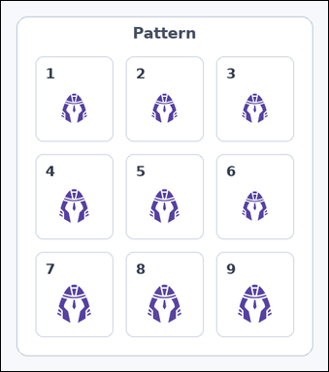 | 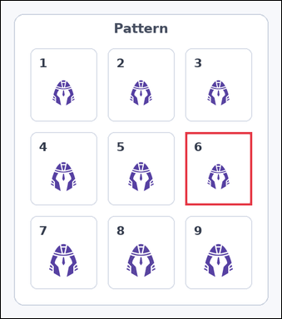 | task_icons_pattern_grid_size_violation | row_col_size_grid_violation | Use the image containing a 3 by 3 grid of numbered boxes, each containing one icon. Which numbered box breaks the 2D size pattern? Return a valid JSON object with keys "evidence" and "answer" in that order. Evidence: set "evidence" to a JSON array containing exactly one [x_min, y_min, x_max, y_max] box in image pixel coordinates for the violating grid box. Answer: set "answer" to the violating box index as an integer. Example JSON: {"evidence":[[540,126,654,458]],"answer":5} | Use the image containing a 3 by 3 grid of numbered boxes, each containing one icon. Which numbered box breaks the 2D size pattern? Return a valid JSON object with key "answer". Answer format: set "answer" to the violating box index as an integer. Example JSON: {"answer":5} | {"evidence": [[338, 241, 460, 375]], "answer": 6} | [[338, 241, 460, 375]] | integer | bbox_set | 1.1398780674E+15 | icons/task_icons_pattern_grid_size_violation/images/default/0002.png | icons/task_icons_pattern_grid_size_violation/data/default/0002.json
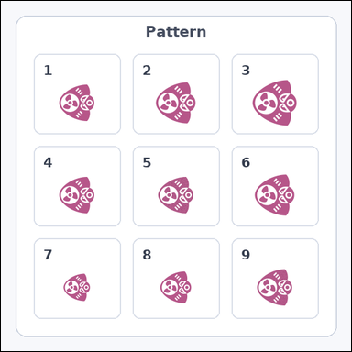 | 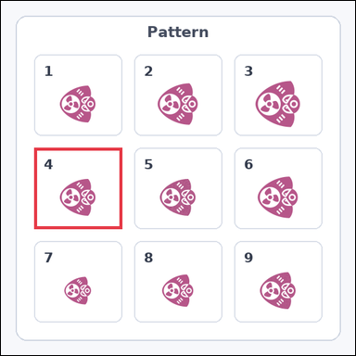 | task_icons_pattern_grid_size_violation | row_col_size_grid_violation | Use the image containing a 3 by 3 grid of numbered boxes, each containing one icon. Task: Which numbered box breaks the 2D size pattern? Return a valid JSON object with keys "evidence" and "answer" in that order. Evidence requirement: set "evidence" to a JSON array containing exactly one [x_min, y_min, x_max, y_max] box in image pixel coordinates for the violating grid box. Answer format: set "answer" to the violating box index as an integer. Example JSON: {"evidence":[[540,126,654,458]],"answer":5} | Use the image containing a 3 by 3 grid of numbered boxes, each containing one icon. Task: Which numbered box breaks the 2D size pattern? Return a valid JSON object with key "answer". Answer format: set "answer" to the violating box index as an integer. Example JSON: {"answer":5} | {"evidence": [[54, 239, 197, 371]], "answer": 4} | [[54, 239, 197, 371]] | integer | bbox_set | 1.4988731356E+15 | icons/task_icons_pattern_grid_size_violation/images/default/0004.png | icons/task_icons_pattern_grid_size_violation/data/default/0004.json
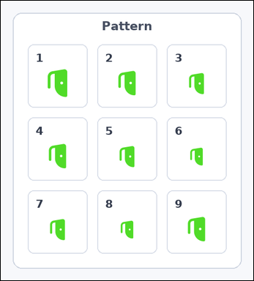 | 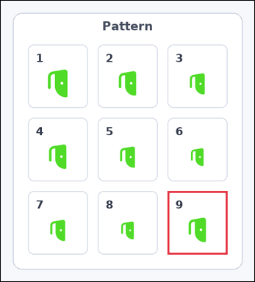 | task_icons_pattern_grid_size_violation | row_col_size_grid_violation | You are given an image with a 3 by 3 grid of numbered boxes, each containing one icon. Determine the answer: Which numbered box breaks the 2D size pattern? Return a valid JSON object with keys "evidence" and "answer" in that order. Evidence requirement: set "evidence" to a JSON array containing exactly one [x_min, y_min, x_max, y_max] box in image pixel coordinates for the violating grid box. Answer format: set "answer" to the violating box index as an integer. Example JSON: {"evidence":[[540,126,654,458]],"answer":5} | You are given an image with a 3 by 3 grid of numbered boxes, each containing one icon. Determine the answer: Which numbered box breaks the 2D size pattern? Return a valid JSON object with key "answer". Answer field: set "answer" to the violating box index as an integer. Example JSON: {"answer":5} | {"evidence": [[332, 379, 451, 505]], "answer": 9} | [[332, 379, 451, 505]] | integer | bbox_set | 1.5355639124E+15 | icons/task_icons_pattern_grid_size_violation/images/default/0003.png | icons/task_icons_pattern_grid_size_violation/data/default/0003.json
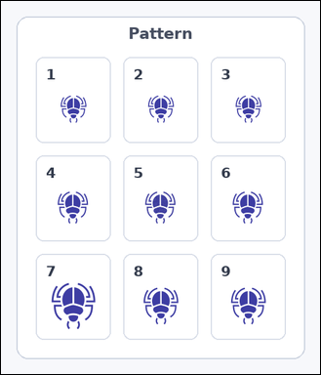 | 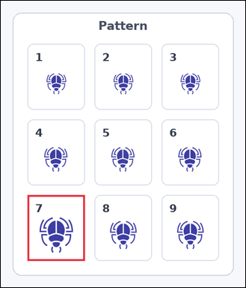 | task_icons_pattern_grid_size_violation | row_col_size_grid_violation | You are given an image with a 3 by 3 grid of numbered boxes, each containing one icon. Question: Which numbered box breaks the 2D size pattern? Return a valid JSON object with keys "evidence" and "answer" in that order. Evidence format: set "evidence" to a JSON array containing exactly one [x_min, y_min, x_max, y_max] box in image pixel coordinates for the violating grid box. Answer requirement: set "answer" to the violating box index as an integer. Example JSON: {"evidence":[[540,126,654,458]],"answer":5} | You are given an image with a 3 by 3 grid of numbered boxes, each containing one icon. Question: Which numbered box breaks the 2D size pattern? Return a valid JSON object with key "answer". Answer format: set "answer" to the violating box index as an integer. Example JSON: {"answer":5} | {"evidence": [[54, 393, 170, 526]], "answer": 7} | [[54, 393, 170, 526]] | integer | bbox_set | 1.5442748098E+15 | icons/task_icons_pattern_grid_size_violation/images/default/0005.png | icons/task_icons_pattern_grid_size_violation/data/default/0005.json
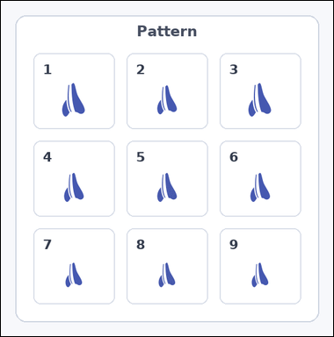 | 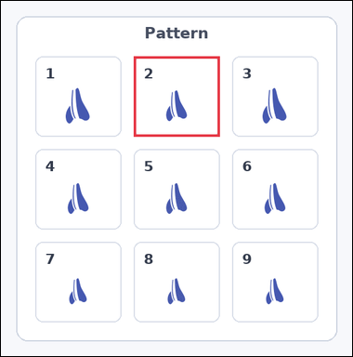 | task_icons_pattern_grid_size_violation | row_col_size_grid_violation | You are given an image with a 3 by 3 grid of numbered boxes, each containing one icon. Determine the answer: Which numbered box breaks the 2D size pattern? Return a valid JSON object with keys "evidence" and "answer" in that order. Evidence requirement: set "evidence" to a JSON array containing exactly one [x_min, y_min, x_max, y_max] box in image pixel coordinates for the violating grid box. Answer format: set "answer" to the violating box index as an integer. Example JSON: {"evidence":[[540,126,654,458]],"answer":5} | You are given an image with a 3 by 3 grid of numbered boxes, each containing one icon. Determine the answer: Which numbered box breaks the 2D size pattern? Return a valid JSON object with key "answer". Answer requirement: set "answer" to the violating box index as an integer. Example JSON: {"answer":5} | {"evidence": [[209, 87, 344, 213]], "answer": 2} | [[209, 87, 344, 213]] | integer | bbox_set | 1.7846374881E+15 | icons/task_icons_pattern_grid_size_violation/images/default/0013.png | icons/task_icons_pattern_grid_size_violation/data/default/0013.json
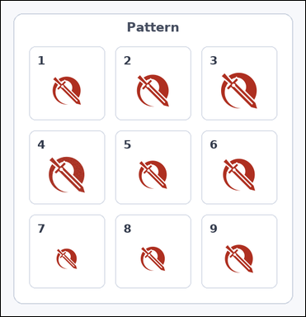 | 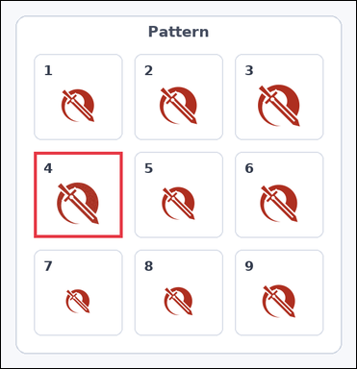 | task_icons_pattern_grid_size_violation | row_col_size_grid_violation | Use the image containing a 3 by 3 grid of numbered boxes, each containing one icon. Determine the answer: Which numbered box breaks the 2D size pattern? Return a valid JSON object with keys "evidence" and "answer" in that order. Evidence: set "evidence" to a JSON array containing exactly one [x_min, y_min, x_max, y_max] box in image pixel coordinates for the violating grid box. Answer: set "answer" to the violating box index as an integer. Example JSON: {"evidence":[[540,126,654,458]],"answer":5} | Use the image containing a 3 by 3 grid of numbered boxes, each containing one icon. Determine the answer: Which numbered box breaks the 2D size pattern? Return a valid JSON object with key "answer". Answer field: set "answer" to the violating box index as an integer. Example JSON: {"answer":5} | {"evidence": [[54, 248, 199, 389]], "answer": 4} | [[54, 248, 199, 389]] | integer | bbox_set | 1.9233286574E+15 | icons/task_icons_pattern_grid_size_violation/images/default/0012.png | icons/task_icons_pattern_grid_size_violation/data/default/0012.json
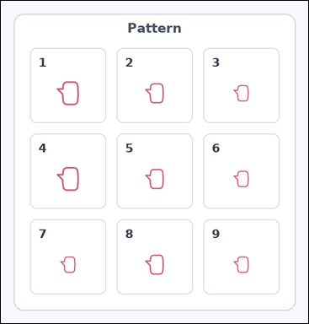 | 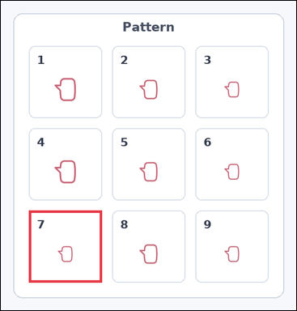 | task_icons_pattern_grid_size_violation | row_col_size_grid_violation | Work from the image with a 3 by 3 grid of numbered boxes, each containing one icon. Task: Which numbered box breaks the 2D size pattern? Return a valid JSON object with keys "evidence" and "answer" in that order. Evidence format: set "evidence" to a JSON array containing exactly one [x_min, y_min, x_max, y_max] box in image pixel coordinates for the violating grid box. Answer requirement: set "answer" to the violating box index as an integer. Example JSON: {"evidence":[[540,126,654,458]],"answer":5} | Work from the image with a 3 by 3 grid of numbered boxes, each containing one icon. Task: Which numbered box breaks the 2D size pattern? Return a valid JSON object with key "answer". Answer format: set "answer" to the violating box index as an integer. Example JSON: {"answer":5} | {"evidence": [[54, 405, 195, 544]], "answer": 7} | [[54, 405, 195, 544]] | integer | bbox_set | 3.1278955059E+15 | icons/task_icons_pattern_grid_size_violation/images/default/0006.png | icons/task_icons_pattern_grid_size_violation/data/default/0006.json
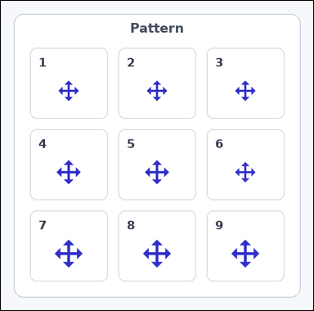 | 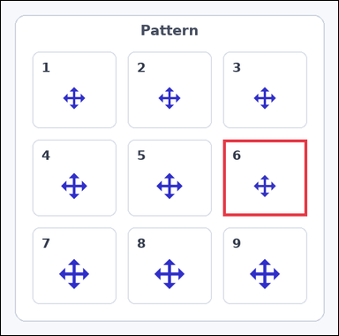 | task_icons_pattern_grid_size_violation | row_col_size_grid_violation | You are given an image with a 3 by 3 grid of numbered boxes, each containing one icon. Answer this question: Which numbered box breaks the 2D size pattern? Return a valid JSON object with keys "evidence" and "answer" in that order. Evidence requirement: set "evidence" to a JSON array containing exactly one [x_min, y_min, x_max, y_max] box in image pixel coordinates for the violating grid box. Answer format: set "answer" to the violating box index as an integer. Example JSON: {"evidence":[[540,126,654,458]],"answer":5} | You are given an image with a 3 by 3 grid of numbered boxes, each containing one icon. Answer this question: Which numbered box breaks the 2D size pattern? Return a valid JSON object with key "answer". Answer: set "answer" to the violating box index as an integer. Example JSON: {"answer":5} | {"evidence": [[382, 238, 526, 369]], "answer": 6} | [[382, 238, 526, 369]] | integer | bbox_set | 3.2767003024E+15 | icons/task_icons_pattern_grid_size_violation/images/default/0024.png | icons/task_icons_pattern_grid_size_violation/data/default/0024.json
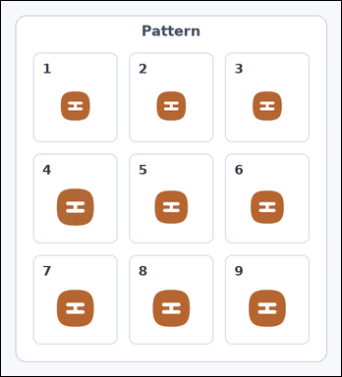 | 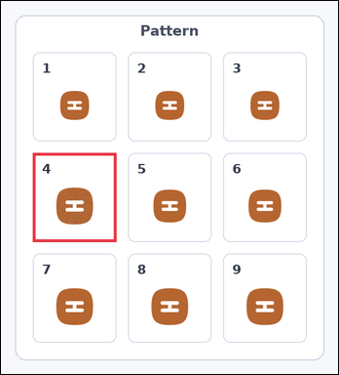 | task_icons_pattern_grid_size_violation | row_col_size_grid_violation | Look at the image with a 3 by 3 grid of numbered boxes, each containing one icon. Determine the answer: Which numbered box breaks the 2D size pattern? Return a valid JSON object with keys "evidence" and "answer" in that order. Evidence rule: set "evidence" to a JSON array containing exactly one [x_min, y_min, x_max, y_max] box in image pixel coordinates for the violating grid box. Answer rule: set "answer" to the violating box index as an integer. Example JSON: {"evidence":[[540,126,654,458]],"answer":5} | Look at the image with a 3 by 3 grid of numbered boxes, each containing one icon. Determine the answer: Which numbered box breaks the 2D size pattern? Return a valid JSON object with key "answer". Answer: set "answer" to the violating box index as an integer. Example JSON: {"answer":5} | {"evidence": [[54, 258, 196, 409]], "answer": 4} | [[54, 258, 196, 409]] | integer | bbox_set | 3.5235831626E+15 | icons/task_icons_pattern_grid_size_violation/images/default/0009.png | icons/task_icons_pattern_grid_size_violation/data/default/0009.json
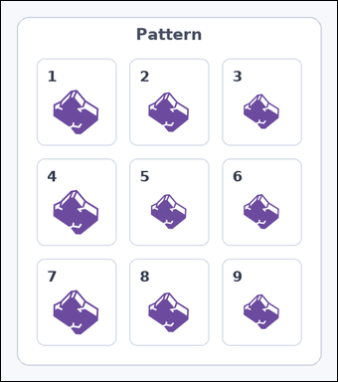 | 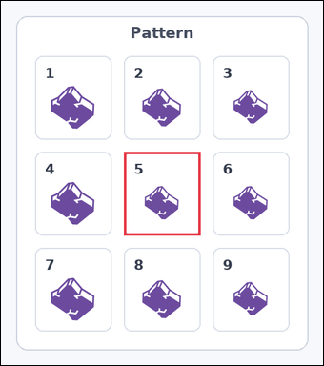 | task_icons_pattern_grid_size_violation | row_col_size_grid_violation | The image shows a 3 by 3 grid of numbered boxes, each containing one icon. Determine the answer: Which numbered box breaks the 2D size pattern? Return a valid JSON object with keys "evidence" and "answer" in that order. Evidence: set "evidence" to a JSON array containing exactly one [x_min, y_min, x_max, y_max] box in image pixel coordinates for the violating grid box. Answer: set "answer" to the violating box index as an integer. Example JSON: {"evidence":[[540,126,654,458]],"answer":5} | The image shows a 3 by 3 grid of numbered boxes, each containing one icon. Determine the answer: Which numbered box breaks the 2D size pattern? Return a valid JSON object with key "answer". Answer format: set "answer" to the violating box index as an integer. Example JSON: {"answer":5} | {"evidence": [[195, 239, 316, 371]], "answer": 5} | [[195, 239, 316, 371]] | integer | bbox_set | 4.1241262422E+15 | icons/task_icons_pattern_grid_size_violation/images/default/0020.png | icons/task_icons_pattern_grid_size_violation/data/default/0020.json
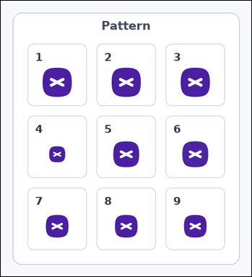 | 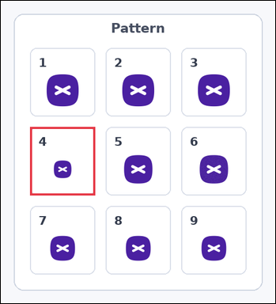 | task_icons_pattern_grid_size_violation | row_col_size_grid_violation | The image shows a 3 by 3 grid of numbered boxes, each containing one icon. Task: Which numbered box breaks the 2D size pattern? Return a valid JSON object with keys "evidence" and "answer" in that order. Evidence format: set "evidence" to a JSON array containing exactly one [x_min, y_min, x_max, y_max] box in image pixel coordinates for the violating grid box. Answer requirement: set "answer" to the violating box index as an integer. Example JSON: {"evidence":[[540,126,654,458]],"answer":5} | The image shows a 3 by 3 grid of numbered boxes, each containing one icon. Task: Which numbered box breaks the 2D size pattern? Return a valid JSON object with key "answer". Answer field: set "answer" to the violating box index as an integer. Example JSON: {"answer":5} | {"evidence": [[54, 233, 174, 359]], "answer": 4} | [[54, 233, 174, 359]] | integer | bbox_set | 4.1980128324E+15 | icons/task_icons_pattern_grid_size_violation/images/default/0010.png | icons/task_icons_pattern_grid_size_violation/data/default/0010.json
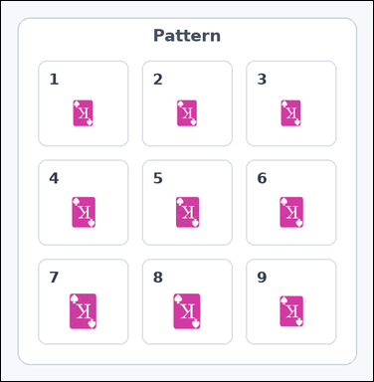 | 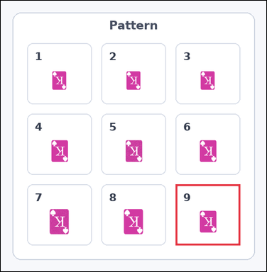 | task_icons_pattern_grid_size_violation | row_col_size_grid_violation | Work from the image with a 3 by 3 grid of numbered boxes, each containing one icon. Question: Which numbered box breaks the 2D size pattern? Return a valid JSON object with keys "evidence" and "answer" in that order. Evidence: set "evidence" to a JSON array containing exactly one [x_min, y_min, x_max, y_max] box in image pixel coordinates for the violating grid box. Answer: set "answer" to the violating box index as an integer. Example JSON: {"evidence":[[540,126,654,458]],"answer":5} | Work from the image with a 3 by 3 grid of numbered boxes, each containing one icon. Question: Which numbered box breaks the 2D size pattern? Return a valid JSON object with key "answer". Answer field: set "answer" to the violating box index as an integer. Example JSON: {"answer":5} | {"evidence": [[358, 377, 490, 502]], "answer": 9} | [[358, 377, 490, 502]] | integer | bbox_set | 4.4599671855E+15 | icons/task_icons_pattern_grid_size_violation/images/default/0011.png | icons/task_icons_pattern_grid_size_violation/data/default/0011.json
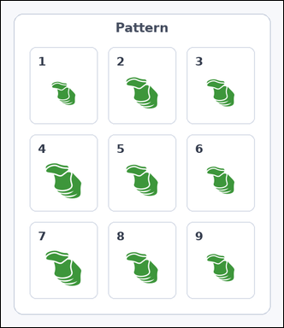 | 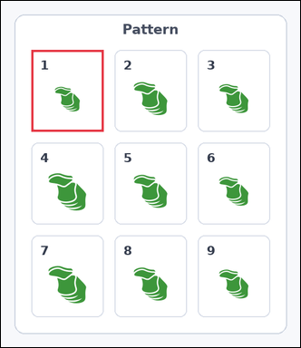 | task_icons_pattern_grid_size_violation | row_col_size_grid_violation | Look at the image with a 3 by 3 grid of numbered boxes, each containing one icon. Which numbered box breaks the 2D size pattern? Return a valid JSON object with keys "evidence" and "answer" in that order. Evidence format: set "evidence" to a JSON array containing exactly one [x_min, y_min, x_max, y_max] box in image pixel coordinates for the violating grid box. Answer requirement: set "answer" to the violating box index as an integer. Example JSON: {"evidence":[[540,126,654,458]],"answer":5} | Look at the image with a 3 by 3 grid of numbered boxes, each containing one icon. Which numbered box breaks the 2D size pattern? Return a valid JSON object with key "answer". Answer: set "answer" to the violating box index as an integer. Example JSON: {"answer":5} | {"evidence": [[54, 87, 182, 232]], "answer": 1} | [[54, 87, 182, 232]] | integer | bbox_set | 4.5180533421E+15 | icons/task_icons_pattern_grid_size_violation/images/default/0001.png | icons/task_icons_pattern_grid_size_violation/data/default/0001.json
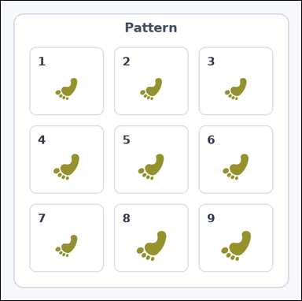 | 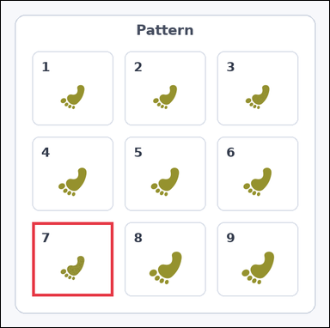 | task_icons_pattern_grid_size_violation | row_col_size_grid_violation | Work from the image with a 3 by 3 grid of numbered boxes, each containing one icon. Determine the answer: Which numbered box breaks the 2D size pattern? Return a valid JSON object with keys "evidence" and "answer" in that order. Evidence requirement: set "evidence" to a JSON array containing exactly one [x_min, y_min, x_max, y_max] box in image pixel coordinates for the violating grid box. Answer format: set "answer" to the violating box index as an integer. Example JSON: {"evidence":[[540,126,654,458]],"answer":5} | Work from the image with a 3 by 3 grid of numbered boxes, each containing one icon. Determine the answer: Which numbered box breaks the 2D size pattern? Return a valid JSON object with key "answer". Answer rule: set "answer" to the violating box index as an integer. Example JSON: {"answer":5} | {"evidence": [[54, 383, 194, 511]], "answer": 7} | [[54, 383, 194, 511]] | integer | bbox_set | 4.7012961451E+15 | icons/task_icons_pattern_grid_size_violation/images/default/0017.png | icons/task_icons_pattern_grid_size_violation/data/default/0017.json
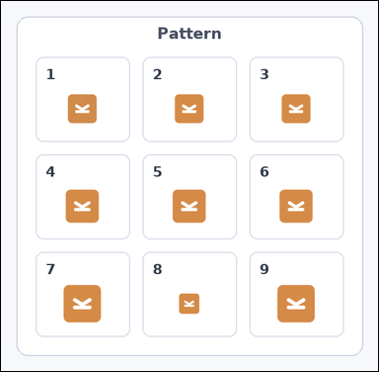 | 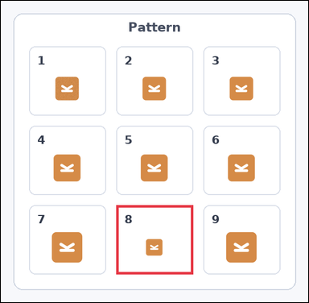 | task_icons_pattern_grid_size_violation | row_col_size_grid_violation | The image shows a 3 by 3 grid of numbered boxes, each containing one icon. Determine the answer: Which numbered box breaks the 2D size pattern? Return a valid JSON object with keys "evidence" and "answer" in that order. Evidence rule: set "evidence" to a JSON array containing exactly one [x_min, y_min, x_max, y_max] box in image pixel coordinates for the violating grid box. Answer rule: set "answer" to the violating box index as an integer. Example JSON: {"evidence":[[540,126,654,458]],"answer":5} | The image shows a 3 by 3 grid of numbered boxes, each containing one icon. Determine the answer: Which numbered box breaks the 2D size pattern? Return a valid JSON object with key "answer". Answer requirement: set "answer" to the violating box index as an integer. Example JSON: {"answer":5} | {"evidence": [[221, 391, 368, 523]], "answer": 8} | [[221, 391, 368, 523]] | integer | bbox_set | 5.1076650164E+15 | icons/task_icons_pattern_grid_size_violation/images/default/0000.png | icons/task_icons_pattern_grid_size_violation/data/default/0000.json
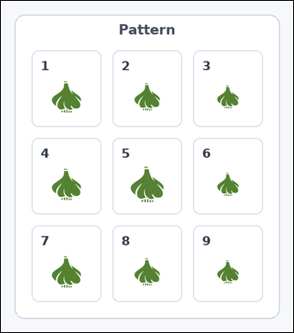 | 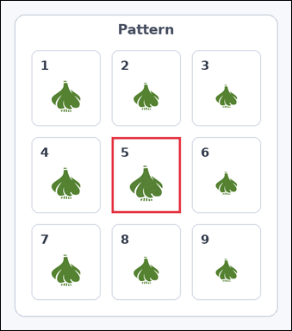 | task_icons_pattern_grid_size_violation | row_col_size_grid_violation | You are given an image with a 3 by 3 grid of numbered boxes, each containing one icon. Question: Which numbered box breaks the 2D size pattern? Return a valid JSON object with keys "evidence" and "answer" in that order. Evidence field: set "evidence" to a JSON array containing exactly one [x_min, y_min, x_max, y_max] box in image pixel coordinates for the violating grid box. Answer field: set "answer" to the violating box index as an integer. Example JSON: {"evidence":[[540,126,654,458]],"answer":5} | You are given an image with a 3 by 3 grid of numbered boxes, each containing one icon. Question: Which numbered box breaks the 2D size pattern? Return a valid JSON object with key "answer". Answer: set "answer" to the violating box index as an integer. Example JSON: {"answer":5} | {"evidence": [[196, 241, 318, 375]], "answer": 5} | [[196, 241, 318, 375]] | integer | bbox_set | 5.2506463431E+15 | icons/task_icons_pattern_grid_size_violation/images/default/0008.png | icons/task_icons_pattern_grid_size_violation/data/default/0008.json
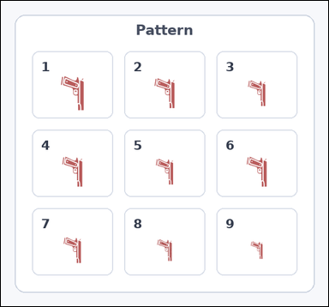 | 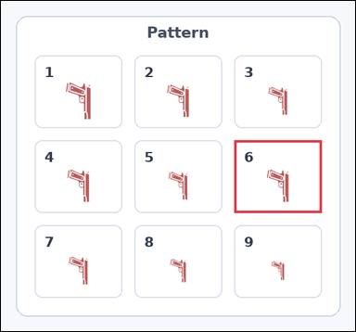 | task_icons_pattern_grid_size_violation | row_col_size_grid_violation | Look at the image with a 3 by 3 grid of numbered boxes, each containing one icon. Answer this question: Which numbered box breaks the 2D size pattern? Return a valid JSON object with keys "evidence" and "answer" in that order. Evidence rule: set "evidence" to a JSON array containing exactly one [x_min, y_min, x_max, y_max] box in image pixel coordinates for the violating grid box. Answer rule: set "answer" to the violating box index as an integer. Example JSON: {"evidence":[[540,126,654,458]],"answer":5} | Look at the image with a 3 by 3 grid of numbered boxes, each containing one icon. Answer this question: Which numbered box breaks the 2D size pattern? Return a valid JSON object with key "answer". Answer format: set "answer" to the violating box index as an integer. Example JSON: {"answer":5} | {"evidence": [[374, 223, 514, 339]], "answer": 6} | [[374, 223, 514, 339]] | integer | bbox_set | 5.3864335444E+15 | icons/task_icons_pattern_grid_size_violation/images/default/0016.png | icons/task_icons_pattern_grid_size_violation/data/default/0016.json
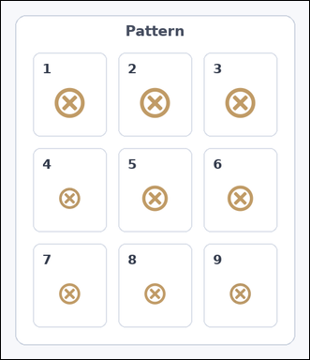 | 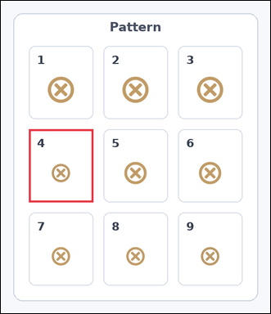 | task_icons_pattern_grid_size_violation | row_col_size_grid_violation | Look at the image with a 3 by 3 grid of numbered boxes, each containing one icon. Which numbered box breaks the 2D size pattern? Return a valid JSON object with keys "evidence" and "answer" in that order. Evidence: set "evidence" to a JSON array containing exactly one [x_min, y_min, x_max, y_max] box in image pixel coordinates for the violating grid box. Answer: set "answer" to the violating box index as an integer. Example JSON: {"evidence":[[540,126,654,458]],"answer":5} | Look at the image with a 3 by 3 grid of numbered boxes, each containing one icon. Which numbered box breaks the 2D size pattern? Return a valid JSON object with key "answer". Answer requirement: set "answer" to the violating box index as an integer. Example JSON: {"answer":5} | {"evidence": [[54, 248, 178, 389]], "answer": 4} | [[54, 248, 178, 389]] | integer | bbox_set | 5.6346855092E+15 | icons/task_icons_pattern_grid_size_violation/images/default/0023.png | icons/task_icons_pattern_grid_size_violation/data/default/0023.json
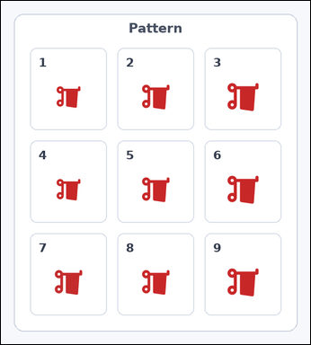 | 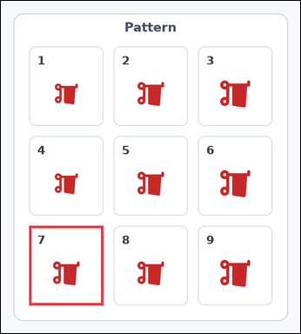 | task_icons_pattern_grid_size_violation | row_col_size_grid_violation | Look at the image with a 3 by 3 grid of numbered boxes, each containing one icon. Task: Which numbered box breaks the 2D size pattern? Return a valid JSON object with keys "evidence" and "answer" in that order. Evidence rule: set "evidence" to a JSON array containing exactly one [x_min, y_min, x_max, y_max] box in image pixel coordinates for the violating grid box. Answer rule: set "answer" to the violating box index as an integer. Example JSON: {"evidence":[[540,126,654,458]],"answer":5} | Look at the image with a 3 by 3 grid of numbered boxes, each containing one icon. Task: Which numbered box breaks the 2D size pattern? Return a valid JSON object with key "answer". Answer: set "answer" to the violating box index as an integer. Example JSON: {"answer":5} | {"evidence": [[54, 431, 196, 583]], "answer": 7} | [[54, 431, 196, 583]] | integer | bbox_set | 5.7560270495E+15 | icons/task_icons_pattern_grid_size_violation/images/default/0018.png | icons/task_icons_pattern_grid_size_violation/data/default/0018.json
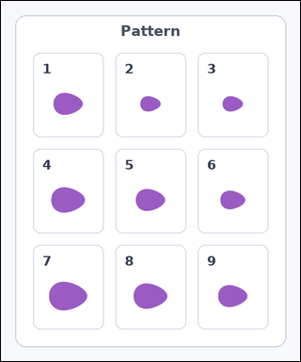 | 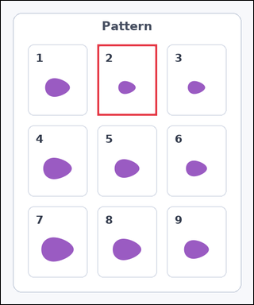 | task_icons_pattern_grid_size_violation | row_col_size_grid_violation | Work from the image with a 3 by 3 grid of numbered boxes, each containing one icon. Task: Which numbered box breaks the 2D size pattern? Return a valid JSON object with keys "evidence" and "answer" in that order. Evidence format: set "evidence" to a JSON array containing exactly one [x_min, y_min, x_max, y_max] box in image pixel coordinates for the violating grid box. Answer requirement: set "answer" to the violating box index as an integer. Example JSON: {"evidence":[[540,126,654,458]],"answer":5} | Work from the image with a 3 by 3 grid of numbered boxes, each containing one icon. Task: Which numbered box breaks the 2D size pattern? Return a valid JSON object with key "answer". Answer rule: set "answer" to the violating box index as an integer. Example JSON: {"answer":5} | {"evidence": [[193, 87, 312, 229]], "answer": 2} | [[193, 87, 312, 229]] | integer | bbox_set | 6.6617082374E+15 | icons/task_icons_pattern_grid_size_violation/images/default/0022.png | icons/task_icons_pattern_grid_size_violation/data/default/0022.json
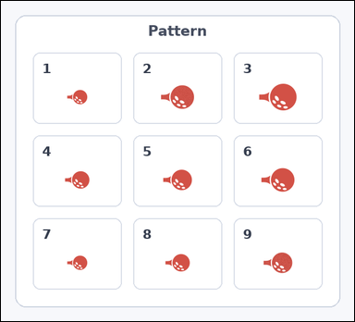 | 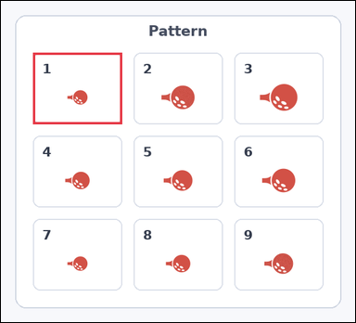 | task_icons_pattern_grid_size_violation | row_col_size_grid_violation | The image shows a 3 by 3 grid of numbered boxes, each containing one icon. Answer this question: Which numbered box breaks the 2D size pattern? Return a valid JSON object with keys "evidence" and "answer" in that order. Evidence field: set "evidence" to a JSON array containing exactly one [x_min, y_min, x_max, y_max] box in image pixel coordinates for the violating grid box. Answer field: set "answer" to the violating box index as an integer. Example JSON: {"evidence":[[540,126,654,458]],"answer":5} | The image shows a 3 by 3 grid of numbered boxes, each containing one icon. Answer this question: Which numbered box breaks the 2D size pattern? Return a valid JSON object with key "answer". Answer requirement: set "answer" to the violating box index as an integer. Example JSON: {"answer":5} | {"evidence": [[54, 87, 204, 207]], "answer": 1} | [[54, 87, 204, 207]] | integer | bbox_set | 7.8237600157E+15 | icons/task_icons_pattern_grid_size_violation/images/default/0019.png | icons/task_icons_pattern_grid_size_violation/data/default/0019.json
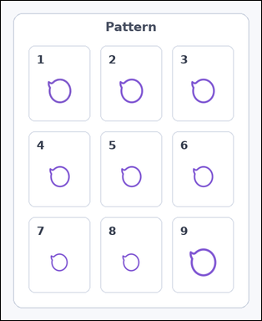 | 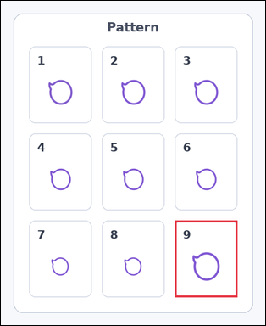 | task_icons_pattern_grid_size_violation | row_col_size_grid_violation | Look at the image with a 3 by 3 grid of numbered boxes, each containing one icon. Which numbered box breaks the 2D size pattern? Return a valid JSON object with keys "evidence" and "answer" in that order. Evidence rule: set "evidence" to a JSON array containing exactly one [x_min, y_min, x_max, y_max] box in image pixel coordinates for the violating grid box. Answer rule: set "answer" to the violating box index as an integer. Example JSON: {"evidence":[[540,126,654,458]],"answer":5} | Look at the image with a 3 by 3 grid of numbered boxes, each containing one icon. Which numbered box breaks the 2D size pattern? Return a valid JSON object with key "answer". Answer rule: set "answer" to the violating box index as an integer. Example JSON: {"answer":5} | {"evidence": [[334, 421, 454, 568]], "answer": 9} | [[334, 421, 454, 568]] | integer | bbox_set | 7.92769326E+15 | icons/task_icons_pattern_grid_size_violation/images/default/0015.png | icons/task_icons_pattern_grid_size_violation/data/default/0015.json
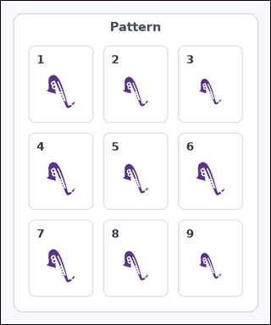 | 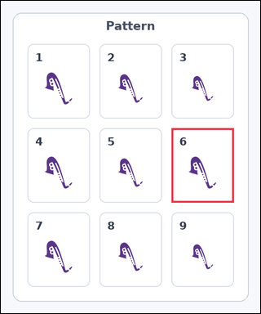 | task_icons_pattern_grid_size_violation | row_col_size_grid_violation | Work from the image with a 3 by 3 grid of numbered boxes, each containing one icon. Task: Which numbered box breaks the 2D size pattern? Return a valid JSON object with keys "evidence" and "answer" in that order. Evidence field: set "evidence" to a JSON array containing exactly one [x_min, y_min, x_max, y_max] box in image pixel coordinates for the violating grid box. Answer field: set "answer" to the violating box index as an integer. Example JSON: {"evidence":[[540,126,654,458]],"answer":5} | Work from the image with a 3 by 3 grid of numbered boxes, each containing one icon. Task: Which numbered box breaks the 2D size pattern? Return a valid JSON object with key "answer". Answer rule: set "answer" to the violating box index as an integer. Example JSON: {"answer":5} | {"evidence": [[346, 257, 472, 407]], "answer": 6} | [[346, 257, 472, 407]] | integer | bbox_set | 8.1200154626E+15 | icons/task_icons_pattern_grid_size_violation/images/default/0007.png | icons/task_icons_pattern_grid_size_violation/data/default/0007.json
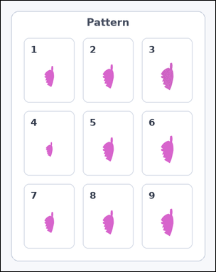 | 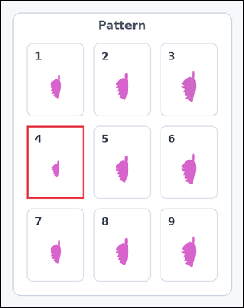 | task_icons_pattern_grid_size_violation | row_col_size_grid_violation | The image shows a 3 by 3 grid of numbered boxes, each containing one icon. Question: Which numbered box breaks the 2D size pattern? Return a valid JSON object with keys "evidence" and "answer" in that order. Evidence field: set "evidence" to a JSON array containing exactly one [x_min, y_min, x_max, y_max] box in image pixel coordinates for the violating grid box. Answer field: set "answer" to the violating box index as an integer. Example JSON: {"evidence":[[540,126,654,458]],"answer":5} | The image shows a 3 by 3 grid of numbered boxes, each containing one icon. Question: Which numbered box breaks the 2D size pattern? Return a valid JSON object with key "answer". Answer format: set "answer" to the violating box index as an integer. Example JSON: {"answer":5} | {"evidence": [[54, 258, 172, 409]], "answer": 4} | [[54, 258, 172, 409]] | integer | bbox_set | 8.7536839993E+15 | icons/task_icons_pattern_grid_size_violation/images/default/0014.png | icons/task_icons_pattern_grid_size_violation/data/default/0014.json

