inside_horizontal_strip
image | evidence_image | task | task_variant | prompt | prompt_answer_only | answer | answer_evidence | answer_type | evidence_type | instance_seed | image_path | data_path
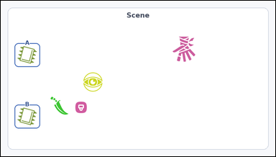 | 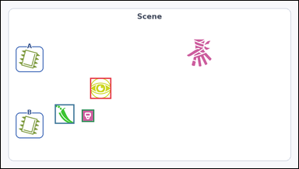 | task_icons_relation_between_two_anchors_count | inside_horizontal_strip | The image shows a Scene panel of icons where two icons are marked as Anchor A and Anchor B. How many icons have centers in the horizontal strip between Anchor A and Anchor B? Return a valid JSON object with keys "evidence" and "answer" in that order. Evidence format: set "evidence" to a JSON array of [x_min, y_min, x_max, y_max] boxes in image pixel coordinates for all matching icons in the Scene panel, sorted from top to bottom and then left to right. Answer requirement: set "answer" to the count as an integer. Example JSON: {"evidence":[[312,180,372,240],[540,286,612,358]],"answer":2} | The image shows a Scene panel of icons where two icons are marked as Anchor A and Anchor B. How many icons have centers in the horizontal strip between Anchor A and Anchor B? Return a valid JSON object with key "answer". Answer field: set "answer" to the count as an integer. Example JSON: {"answer":2} | {"evidence": [[288, 250, 356, 318], [174, 336, 237, 399], [261, 353, 301, 393]], "answer": 3} | [[288, 250, 356, 318], [174, 336, 237, 399], [261, 353, 301, 393]] | integer | bbox_set | 125977000405939 | icons/task_icons_relation_between_two_anchors_count/images/inside_horizontal_strip/0014.png | icons/task_icons_relation_between_two_anchors_count/data/inside_horizontal_strip/0014.json
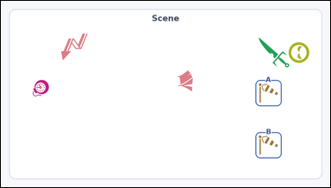 |  | task_icons_relation_between_two_anchors_count | inside_horizontal_strip | The image shows a Scene panel of icons where two icons are marked as Anchor A and Anchor B. Answer this question: How many icons have centers in the horizontal strip between Anchor A and Anchor B? Return a valid JSON object with keys "evidence" and "answer" in that order. Evidence rule: set "evidence" to a JSON array of [x_min, y_min, x_max, y_max] boxes in image pixel coordinates for all matching icons in the Scene panel, sorted from top to bottom and then left to right. Answer rule: set "answer" to the count as an integer. Example JSON: {"evidence":[[312,180,372,240],[540,286,612,358]],"answer":2} | The image shows a Scene panel of icons where two icons are marked as Anchor A and Anchor B. Answer this question: How many icons have centers in the horizontal strip between Anchor A and Anchor B? Return a valid JSON object with key "answer". Answer: set "answer" to the count as an integer. Example JSON: {"answer":2} | {"evidence": [], "answer": 0} | [] | integer | bbox_set | 1.2557573954E+15 | icons/task_icons_relation_between_two_anchors_count/images/inside_horizontal_strip/0006.png | icons/task_icons_relation_between_two_anchors_count/data/inside_horizontal_strip/0006.json
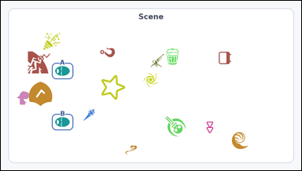 | 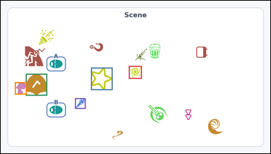 | task_icons_relation_between_two_anchors_count | inside_horizontal_strip | Look at the image with a Scene panel of icons where two icons are marked as Anchor A and Anchor B. Question: How many icons have centers in the horizontal strip between Anchor A and Anchor B? Return a valid JSON object with keys "evidence" and "answer" in that order. Evidence requirement: set "evidence" to a JSON array of [x_min, y_min, x_max, y_max] boxes in image pixel coordinates for all matching icons in the Scene panel, sorted from top to bottom and then left to right. Answer format: set "answer" to the count as an integer. Example JSON: {"evidence":[[312,180,372,240],[540,286,612,358]],"answer":2} | Look at the image with a Scene panel of icons where two icons are marked as Anchor A and Anchor B. Question: How many icons have centers in the horizontal strip between Anchor A and Anchor B? Return a valid JSON object with key "answer". Answer field: set "answer" to the count as an integer. Example JSON: {"answer":2} | {"evidence": [[456, 232, 502, 278], [321, 238, 398, 318], [89, 260, 165, 338], [50, 290, 92, 334], [264, 347, 302, 385]], "answer": 5} | [[456, 232, 502, 278], [321, 238, 398, 318], [89, 260, 165, 338], [50, 290, 92, 334], [264, 347, 302, 385]] | integer | bbox_set | 1.3892455883E+15 | icons/task_icons_relation_between_two_anchors_count/images/inside_horizontal_strip/0007.png | icons/task_icons_relation_between_two_anchors_count/data/inside_horizontal_strip/0007.json
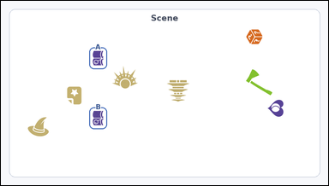 | 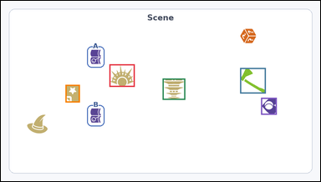 | task_icons_relation_between_two_anchors_count | inside_horizontal_strip | You are given an image with a Scene panel of icons where two icons are marked as Anchor A and Anchor B. Task: How many icons have centers in the horizontal strip between Anchor A and Anchor B? Return a valid JSON object with keys "evidence" and "answer" in that order. Evidence format: set "evidence" to a JSON array of [x_min, y_min, x_max, y_max] boxes in image pixel coordinates for all matching icons in the Scene panel, sorted from top to bottom and then left to right. Answer requirement: set "answer" to the count as an integer. Example JSON: {"evidence":[[312,180,372,240],[540,286,612,358]],"answer":2} | You are given an image with a Scene panel of icons where two icons are marked as Anchor A and Anchor B. Task: How many icons have centers in the horizontal strip between Anchor A and Anchor B? Return a valid JSON object with key "answer". Answer format: set "answer" to the count as an integer. Example JSON: {"answer":2} | {"evidence": [[326, 191, 402, 259], [719, 202, 796, 279], [486, 234, 554, 298], [194, 253, 237, 306], [782, 292, 829, 343]], "answer": 5} | [[326, 191, 402, 259], [719, 202, 796, 279], [486, 234, 554, 298], [194, 253, 237, 306], [782, 292, 829, 343]] | integer | bbox_set | 1.6177004288E+15 | icons/task_icons_relation_between_two_anchors_count/images/inside_horizontal_strip/0013.png | icons/task_icons_relation_between_two_anchors_count/data/inside_horizontal_strip/0013.json
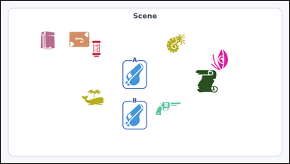 | 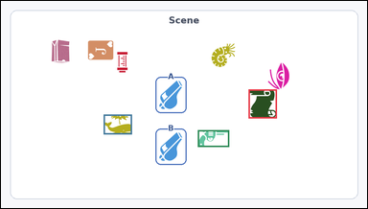 | task_icons_relation_between_two_anchors_count | inside_horizontal_strip | Look at the image with a Scene panel of icons where two icons are marked as Anchor A and Anchor B. Task: How many icons have centers in the horizontal strip between Anchor A and Anchor B? Return a valid JSON object with keys "evidence" and "answer" in that order. Evidence rule: set "evidence" to a JSON array of [x_min, y_min, x_max, y_max] boxes in image pixel coordinates for all matching icons in the Scene panel, sorted from top to bottom and then left to right. Answer rule: set "answer" to the count as an integer. Example JSON: {"evidence":[[312,180,372,240],[540,286,612,358]],"answer":2} | Look at the image with a Scene panel of icons where two icons are marked as Anchor A and Anchor B. Task: How many icons have centers in the horizontal strip between Anchor A and Anchor B? Return a valid JSON object with key "answer". Answer field: set "answer" to the count as an integer. Example JSON: {"answer":2} | {"evidence": [[649, 232, 723, 308], [269, 298, 343, 350], [516, 339, 598, 383]], "answer": 3} | [[649, 232, 723, 308], [269, 298, 343, 350], [516, 339, 598, 383]] | integer | bbox_set | 1.66117282E+15 | icons/task_icons_relation_between_two_anchors_count/images/inside_horizontal_strip/0011.png | icons/task_icons_relation_between_two_anchors_count/data/inside_horizontal_strip/0011.json
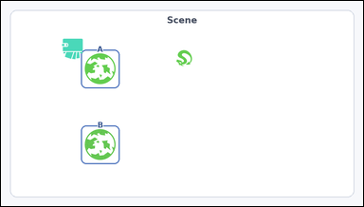 |  | task_icons_relation_between_two_anchors_count | inside_horizontal_strip | Work from the image with a Scene panel of icons where two icons are marked as Anchor A and Anchor B. Answer this question: How many icons have centers in the horizontal strip between Anchor A and Anchor B? Return a valid JSON object with keys "evidence" and "answer" in that order. Evidence field: set "evidence" to a JSON array of [x_min, y_min, x_max, y_max] boxes in image pixel coordinates for all matching icons in the Scene panel, sorted from top to bottom and then left to right. Answer field: set "answer" to the count as an integer. Example JSON: {"evidence":[[312,180,372,240],[540,286,612,358]],"answer":2} | Work from the image with a Scene panel of icons where two icons are marked as Anchor A and Anchor B. Answer this question: How many icons have centers in the horizontal strip between Anchor A and Anchor B? Return a valid JSON object with key "answer". Answer: set "answer" to the count as an integer. Example JSON: {"answer":2} | {"evidence": [], "answer": 0} | [] | integer | bbox_set | 3.2419169403E+15 | icons/task_icons_relation_between_two_anchors_count/images/inside_horizontal_strip/0021.png | icons/task_icons_relation_between_two_anchors_count/data/inside_horizontal_strip/0021.json
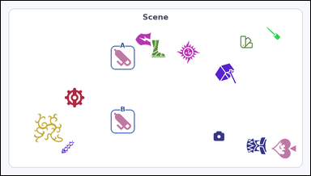 | 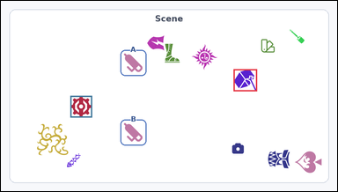 | task_icons_relation_between_two_anchors_count | inside_horizontal_strip | Use the image containing a Scene panel of icons where two icons are marked as Anchor A and Anchor B. Answer this question: How many icons have centers in the horizontal strip between Anchor A and Anchor B? Return a valid JSON object with keys "evidence" and "answer" in that order. Evidence field: set "evidence" to a JSON array of [x_min, y_min, x_max, y_max] boxes in image pixel coordinates for all matching icons in the Scene panel, sorted from top to bottom and then left to right. Answer field: set "answer" to the count as an integer. Example JSON: {"evidence":[[312,180,372,240],[540,286,612,358]],"answer":2} | Use the image containing a Scene panel of icons where two icons are marked as Anchor A and Anchor B. Answer this question: How many icons have centers in the horizontal strip between Anchor A and Anchor B? Return a valid JSON object with key "answer". Answer rule: set "answer" to the count as an integer. Example JSON: {"answer":2} | {"evidence": [[664, 195, 731, 258], [198, 271, 260, 333]], "answer": 2} | [[664, 195, 731, 258], [198, 271, 260, 333]] | integer | bbox_set | 3.7654407561E+15 | icons/task_icons_relation_between_two_anchors_count/images/inside_horizontal_strip/0003.png | icons/task_icons_relation_between_two_anchors_count/data/inside_horizontal_strip/0003.json
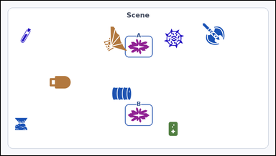 | 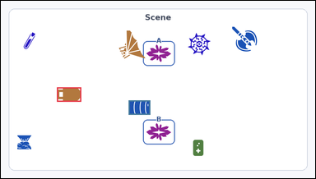 | task_icons_relation_between_two_anchors_count | inside_horizontal_strip | You are given an image with a Scene panel of icons where two icons are marked as Anchor A and Anchor B. Question: How many icons have centers in the horizontal strip between Anchor A and Anchor B? Return a valid JSON object with keys "evidence" and "answer" in that order. Evidence: set "evidence" to a JSON array of [x_min, y_min, x_max, y_max] boxes in image pixel coordinates for all matching icons in the Scene panel, sorted from top to bottom and then left to right. Answer: set "answer" to the count as an integer. Example JSON: {"evidence":[[312,180,372,240],[540,286,612,358]],"answer":2} | You are given an image with a Scene panel of icons where two icons are marked as Anchor A and Anchor B. Question: How many icons have centers in the horizontal strip between Anchor A and Anchor B? Return a valid JSON object with key "answer". Answer requirement: set "answer" to the count as an integer. Example JSON: {"answer":2} | {"evidence": [[171, 265, 245, 309], [390, 305, 456, 349]], "answer": 2} | [[171, 265, 245, 309], [390, 305, 456, 349]] | integer | bbox_set | 4.5400197722E+15 | icons/task_icons_relation_between_two_anchors_count/images/inside_horizontal_strip/0001.png | icons/task_icons_relation_between_two_anchors_count/data/inside_horizontal_strip/0001.json
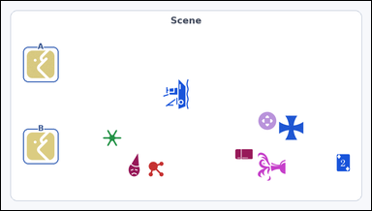 | 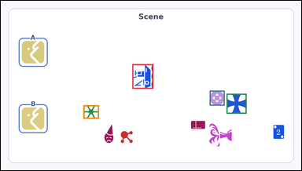 | task_icons_relation_between_two_anchors_count | inside_horizontal_strip | Look at the image with a Scene panel of icons where two icons are marked as Anchor A and Anchor B. Task: How many icons have centers in the horizontal strip between Anchor A and Anchor B? Return a valid JSON object with keys "evidence" and "answer" in that order. Evidence: set "evidence" to a JSON array of [x_min, y_min, x_max, y_max] boxes in image pixel coordinates for all matching icons in the Scene panel, sorted from top to bottom and then left to right. Answer: set "answer" to the count as an integer. Example JSON: {"evidence":[[312,180,372,240],[540,286,612,358]],"answer":2} | Look at the image with a Scene panel of icons where two icons are marked as Anchor A and Anchor B. Task: How many icons have centers in the horizontal strip between Anchor A and Anchor B? Return a valid JSON object with key "answer". Answer format: set "answer" to the count as an integer. Example JSON: {"answer":2} | {"evidence": [[420, 203, 487, 282], [667, 288, 715, 336], [721, 298, 785, 362], [264, 335, 313, 378]], "answer": 4} | [[420, 203, 487, 282], [667, 288, 715, 336], [721, 298, 785, 362], [264, 335, 313, 378]] | integer | bbox_set | 4.7845203793E+15 | icons/task_icons_relation_between_two_anchors_count/images/inside_horizontal_strip/0017.png | icons/task_icons_relation_between_two_anchors_count/data/inside_horizontal_strip/0017.json
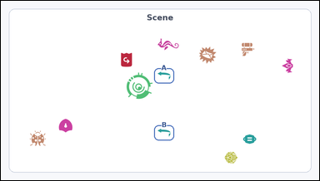 | 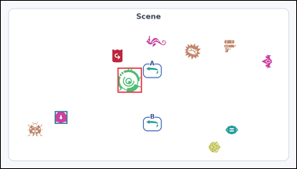 | task_icons_relation_between_two_anchors_count | inside_horizontal_strip | Work from the image with a Scene panel of icons where two icons are marked as Anchor A and Anchor B. Answer this question: How many icons have centers in the horizontal strip between Anchor A and Anchor B? Return a valid JSON object with keys "evidence" and "answer" in that order. Evidence: set "evidence" to a JSON array of [x_min, y_min, x_max, y_max] boxes in image pixel coordinates for all matching icons in the Scene panel, sorted from top to bottom and then left to right. Answer: set "answer" to the count as an integer. Example JSON: {"evidence":[[312,180,372,240],[540,286,612,358]],"answer":2} | Work from the image with a Scene panel of icons where two icons are marked as Anchor A and Anchor B. Answer this question: How many icons have centers in the horizontal strip between Anchor A and Anchor B? Return a valid JSON object with key "answer". Answer rule: set "answer" to the count as an integer. Example JSON: {"answer":2} | {"evidence": [[379, 217, 458, 298], [175, 358, 216, 399]], "answer": 2} | [[379, 217, 458, 298], [175, 358, 216, 399]] | integer | bbox_set | 5.4444534995E+15 | icons/task_icons_relation_between_two_anchors_count/images/inside_horizontal_strip/0019.png | icons/task_icons_relation_between_two_anchors_count/data/inside_horizontal_strip/0019.json
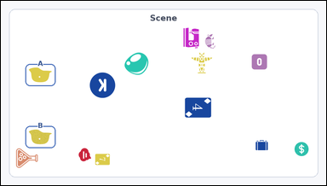 |  | task_icons_relation_between_two_anchors_count | inside_horizontal_strip | You are given an image with a Scene panel of icons where two icons are marked as Anchor A and Anchor B. How many icons have centers in the horizontal strip between Anchor A and Anchor B? Return a valid JSON object with keys "evidence" and "answer" in that order. Evidence: set "evidence" to a JSON array of [x_min, y_min, x_max, y_max] boxes in image pixel coordinates for all matching icons in the Scene panel, sorted from top to bottom and then left to right. Answer: set "answer" to the count as an integer. Example JSON: {"evidence":[[312,180,372,240],[540,286,612,358]],"answer":2} | You are given an image with a Scene panel of icons where two icons are marked as Anchor A and Anchor B. How many icons have centers in the horizontal strip between Anchor A and Anchor B? Return a valid JSON object with key "answer". Answer format: set "answer" to the count as an integer. Example JSON: {"answer":2} | {"evidence": [[262, 211, 338, 287], [543, 285, 621, 345]], "answer": 2} | [[262, 211, 338, 287], [543, 285, 621, 345]] | integer | bbox_set | 5.5098152229E+15 | icons/task_icons_relation_between_two_anchors_count/images/inside_horizontal_strip/0005.png | icons/task_icons_relation_between_two_anchors_count/data/inside_horizontal_strip/0005.json
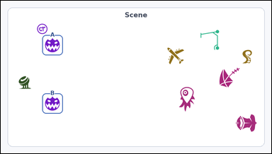 | 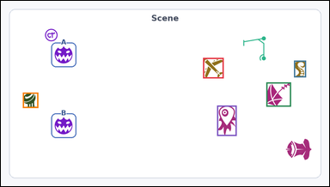 | task_icons_relation_between_two_anchors_count | inside_horizontal_strip | Look at the image with a Scene panel of icons where two icons are marked as Anchor A and Anchor B. Answer this question: How many icons have centers in the horizontal strip between Anchor A and Anchor B? Return a valid JSON object with keys "evidence" and "answer" in that order. Evidence field: set "evidence" to a JSON array of [x_min, y_min, x_max, y_max] boxes in image pixel coordinates for all matching icons in the Scene panel, sorted from top to bottom and then left to right. Answer field: set "answer" to the count as an integer. Example JSON: {"evidence":[[312,180,372,240],[540,286,612,358]],"answer":2} | Look at the image with a Scene panel of icons where two icons are marked as Anchor A and Anchor B. Answer this question: How many icons have centers in the horizontal strip between Anchor A and Anchor B? Return a valid JSON object with key "answer". Answer format: set "answer" to the count as an integer. Example JSON: {"answer":2} | {"evidence": [[591, 167, 651, 227], [857, 175, 892, 224], [776, 239, 848, 310], [64, 269, 109, 314], [632, 307, 689, 396]], "answer": 5} | [[591, 167, 651, 227], [857, 175, 892, 224], [776, 239, 848, 310], [64, 269, 109, 314], [632, 307, 689, 396]] | integer | bbox_set | 5.5872823473E+15 | icons/task_icons_relation_between_two_anchors_count/images/inside_horizontal_strip/0008.png | icons/task_icons_relation_between_two_anchors_count/data/inside_horizontal_strip/0008.json
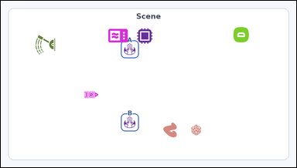 |  | task_icons_relation_between_two_anchors_count | inside_horizontal_strip | The image shows a Scene panel of icons where two icons are marked as Anchor A and Anchor B. Task: How many icons have centers in the horizontal strip between Anchor A and Anchor B? Return a valid JSON object with keys "evidence" and "answer" in that order. Evidence field: set "evidence" to a JSON array of [x_min, y_min, x_max, y_max] boxes in image pixel coordinates for all matching icons in the Scene panel, sorted from top to bottom and then left to right. Answer field: set "answer" to the count as an integer. Example JSON: {"evidence":[[312,180,372,240],[540,286,612,358]],"answer":2} | The image shows a Scene panel of icons where two icons are marked as Anchor A and Anchor B. Task: How many icons have centers in the horizontal strip between Anchor A and Anchor B? Return a valid JSON object with key "answer". Answer rule: set "answer" to the count as an integer. Example JSON: {"answer":2} | {"evidence": [[271, 295, 317, 319]], "answer": 1} | [[271, 295, 317, 319]] | integer | bbox_set | 5.6933112789E+15 | icons/task_icons_relation_between_two_anchors_count/images/inside_horizontal_strip/0023.png | icons/task_icons_relation_between_two_anchors_count/data/inside_horizontal_strip/0023.json
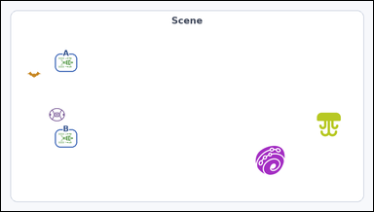 | 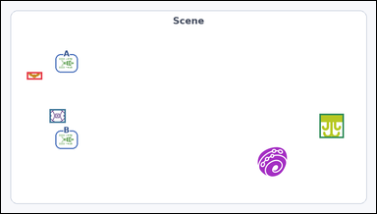 | task_icons_relation_between_two_anchors_count | inside_horizontal_strip | Work from the image with a Scene panel of icons where two icons are marked as Anchor A and Anchor B. Question: How many icons have centers in the horizontal strip between Anchor A and Anchor B? Return a valid JSON object with keys "evidence" and "answer" in that order. Evidence format: set "evidence" to a JSON array of [x_min, y_min, x_max, y_max] boxes in image pixel coordinates for all matching icons in the Scene panel, sorted from top to bottom and then left to right. Answer requirement: set "answer" to the count as an integer. Example JSON: {"evidence":[[312,180,372,240],[540,286,612,358]],"answer":2} | Work from the image with a Scene panel of icons where two icons are marked as Anchor A and Anchor B. Question: How many icons have centers in the horizontal strip between Anchor A and Anchor B? Return a valid JSON object with key "answer". Answer rule: set "answer" to the count as an integer. Example JSON: {"answer":2} | {"evidence": [[66, 182, 105, 201], [124, 277, 165, 312], [815, 289, 877, 351]], "answer": 3} | [[66, 182, 105, 201], [124, 277, 165, 312], [815, 289, 877, 351]] | integer | bbox_set | 5.7827731077E+15 | icons/task_icons_relation_between_two_anchors_count/images/inside_horizontal_strip/0016.png | icons/task_icons_relation_between_two_anchors_count/data/inside_horizontal_strip/0016.json
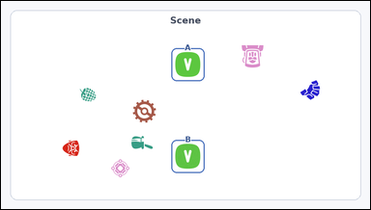 | 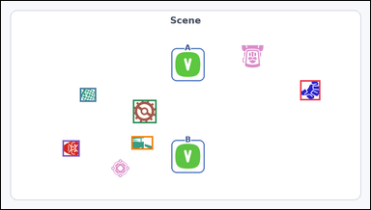 | task_icons_relation_between_two_anchors_count | inside_horizontal_strip | The image shows a Scene panel of icons where two icons are marked as Anchor A and Anchor B. How many icons have centers in the horizontal strip between Anchor A and Anchor B? Return a valid JSON object with keys "evidence" and "answer" in that order. Evidence rule: set "evidence" to a JSON array of [x_min, y_min, x_max, y_max] boxes in image pixel coordinates for all matching icons in the Scene panel, sorted from top to bottom and then left to right. Answer rule: set "answer" to the count as an integer. Example JSON: {"evidence":[[312,180,372,240],[540,286,612,358]],"answer":2} | The image shows a Scene panel of icons where two icons are marked as Anchor A and Anchor B. How many icons have centers in the horizontal strip between Anchor A and Anchor B? Return a valid JSON object with key "answer". Answer rule: set "answer" to the count as an integer. Example JSON: {"answer":2} | {"evidence": [[778, 207, 830, 259], [205, 227, 247, 263], [343, 258, 404, 319], [339, 353, 395, 388], [160, 364, 204, 406]], "answer": 5} | [[778, 207, 830, 259], [205, 227, 247, 263], [343, 258, 404, 319], [339, 353, 395, 388], [160, 364, 204, 406]] | integer | bbox_set | 5.986435412E+15 | icons/task_icons_relation_between_two_anchors_count/images/inside_horizontal_strip/0002.png | icons/task_icons_relation_between_two_anchors_count/data/inside_horizontal_strip/0002.json
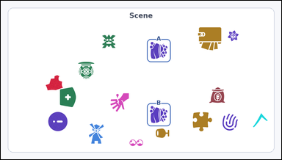 | 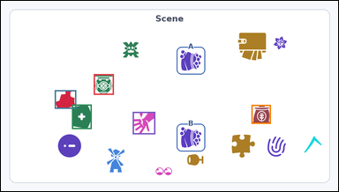 | task_icons_relation_between_two_anchors_count | inside_horizontal_strip | Look at the image with a Scene panel of icons where two icons are marked as Anchor A and Anchor B. Determine the answer: How many icons have centers in the horizontal strip between Anchor A and Anchor B? Return a valid JSON object with keys "evidence" and "answer" in that order. Evidence rule: set "evidence" to a JSON array of [x_min, y_min, x_max, y_max] boxes in image pixel coordinates for all matching icons in the Scene panel, sorted from top to bottom and then left to right. Answer rule: set "answer" to the count as an integer. Example JSON: {"evidence":[[312,180,372,240],[540,286,612,358]],"answer":2} | Look at the image with a Scene panel of icons where two icons are marked as Anchor A and Anchor B. Determine the answer: How many icons have centers in the horizontal strip between Anchor A and Anchor B? Return a valid JSON object with key "answer". Answer rule: set "answer" to the count as an integer. Example JSON: {"answer":2} | {"evidence": [[264, 209, 321, 268], [153, 255, 214, 308], [202, 296, 258, 366], [713, 297, 768, 351], [375, 317, 439, 381]], "answer": 5} | [[264, 209, 321, 268], [153, 255, 214, 308], [202, 296, 258, 366], [713, 297, 768, 351], [375, 317, 439, 381]] | integer | bbox_set | 6.0228399656E+15 | icons/task_icons_relation_between_two_anchors_count/images/inside_horizontal_strip/0010.png | icons/task_icons_relation_between_two_anchors_count/data/inside_horizontal_strip/0010.json
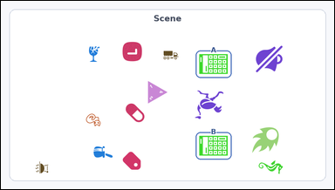 | 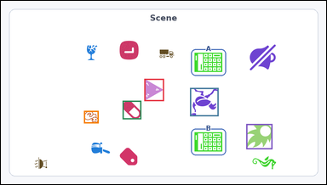 | task_icons_relation_between_two_anchors_count | inside_horizontal_strip | The image shows a Scene panel of icons where two icons are marked as Anchor A and Anchor B. Determine the answer: How many icons have centers in the horizontal strip between Anchor A and Anchor B? Return a valid JSON object with keys "evidence" and "answer" in that order. Evidence rule: set "evidence" to a JSON array of [x_min, y_min, x_max, y_max] boxes in image pixel coordinates for all matching icons in the Scene panel, sorted from top to bottom and then left to right. Answer rule: set "answer" to the count as an integer. Example JSON: {"evidence":[[312,180,372,240],[540,286,612,358]],"answer":2} | The image shows a Scene panel of icons where two icons are marked as Anchor A and Anchor B. Determine the answer: How many icons have centers in the horizontal strip between Anchor A and Anchor B? Return a valid JSON object with key "answer". Answer format: set "answer" to the count as an integer. Example JSON: {"answer":2} | {"evidence": [[423, 231, 481, 297], [558, 258, 642, 342], [359, 296, 414, 351], [245, 326, 288, 363], [724, 365, 801, 440]], "answer": 5} | [[423, 231, 481, 297], [558, 258, 642, 342], [359, 296, 414, 351], [245, 326, 288, 363], [724, 365, 801, 440]] | integer | bbox_set | 6.3960275385E+15 | icons/task_icons_relation_between_two_anchors_count/images/inside_horizontal_strip/0000.png | icons/task_icons_relation_between_two_anchors_count/data/inside_horizontal_strip/0000.json
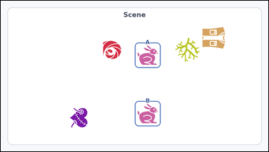 |  | task_icons_relation_between_two_anchors_count | inside_horizontal_strip | Look at the image with a Scene panel of icons where two icons are marked as Anchor A and Anchor B. Determine the answer: How many icons have centers in the horizontal strip between Anchor A and Anchor B? Return a valid JSON object with keys "evidence" and "answer" in that order. Evidence field: set "evidence" to a JSON array of [x_min, y_min, x_max, y_max] boxes in image pixel coordinates for all matching icons in the Scene panel, sorted from top to bottom and then left to right. Answer field: set "answer" to the count as an integer. Example JSON: {"evidence":[[312,180,372,240],[540,286,612,358]],"answer":2} | Look at the image with a Scene panel of icons where two icons are marked as Anchor A and Anchor B. Determine the answer: How many icons have centers in the horizontal strip between Anchor A and Anchor B? Return a valid JSON object with key "answer". Answer requirement: set "answer" to the count as an integer. Example JSON: {"answer":2} | {"evidence": [], "answer": 0} | [] | integer | bbox_set | 6.4185026874E+15 | icons/task_icons_relation_between_two_anchors_count/images/inside_horizontal_strip/0020.png | icons/task_icons_relation_between_two_anchors_count/data/inside_horizontal_strip/0020.json
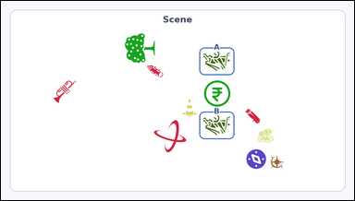 | 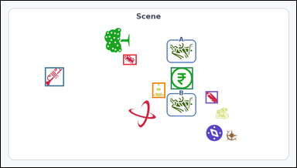 | task_icons_relation_between_two_anchors_count | inside_horizontal_strip | Use the image containing a Scene panel of icons where two icons are marked as Anchor A and Anchor B. Answer this question: How many icons have centers in the horizontal strip between Anchor A and Anchor B? Return a valid JSON object with keys "evidence" and "answer" in that order. Evidence rule: set "evidence" to a JSON array of [x_min, y_min, x_max, y_max] boxes in image pixel coordinates for all matching icons in the Scene panel, sorted from top to bottom and then left to right. Answer rule: set "answer" to the count as an integer. Example JSON: {"evidence":[[312,180,372,240],[540,286,612,358]],"answer":2} | Use the image containing a Scene panel of icons where two icons are marked as Anchor A and Anchor B. Answer this question: How many icons have centers in the horizontal strip between Anchor A and Anchor B? Return a valid JSON object with key "answer". Answer requirement: set "answer" to the count as an integer. Example JSON: {"answer":2} | {"evidence": [[397, 175, 441, 209], [143, 217, 205, 279], [552, 217, 624, 289], [492, 267, 534, 317], [665, 295, 705, 335]], "answer": 5} | [[397, 175, 441, 209], [143, 217, 205, 279], [552, 217, 624, 289], [492, 267, 534, 317], [665, 295, 705, 335]] | integer | bbox_set | 6.4926454267E+15 | icons/task_icons_relation_between_two_anchors_count/images/inside_horizontal_strip/0022.png | icons/task_icons_relation_between_two_anchors_count/data/inside_horizontal_strip/0022.json
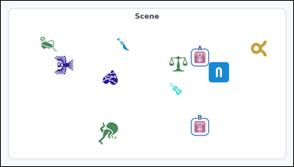 | 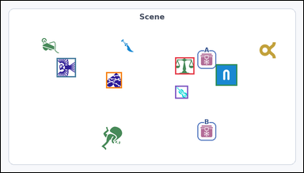 | task_icons_relation_between_two_anchors_count | inside_horizontal_strip | Work from the image with a Scene panel of icons where two icons are marked as Anchor A and Anchor B. How many icons have centers in the horizontal strip between Anchor A and Anchor B? Return a valid JSON object with keys "evidence" and "answer" in that order. Evidence rule: set "evidence" to a JSON array of [x_min, y_min, x_max, y_max] boxes in image pixel coordinates for all matching icons in the Scene panel, sorted from top to bottom and then left to right. Answer rule: set "answer" to the count as an integer. Example JSON: {"evidence":[[312,180,372,240],[540,286,612,358]],"answer":2} | Work from the image with a Scene panel of icons where two icons are marked as Anchor A and Anchor B. How many icons have centers in the horizontal strip between Anchor A and Anchor B? Return a valid JSON object with key "answer". Answer rule: set "answer" to the count as an integer. Example JSON: {"answer":2} | {"evidence": [[553, 179, 614, 233], [177, 181, 238, 242], [682, 201, 750, 269], [334, 226, 384, 277], [553, 269, 594, 310]], "answer": 5} | [[553, 179, 614, 233], [177, 181, 238, 242], [682, 201, 750, 269], [334, 226, 384, 277], [553, 269, 594, 310]] | integer | bbox_set | 6.8470346746E+15 | icons/task_icons_relation_between_two_anchors_count/images/inside_horizontal_strip/0024.png | icons/task_icons_relation_between_two_anchors_count/data/inside_horizontal_strip/0024.json
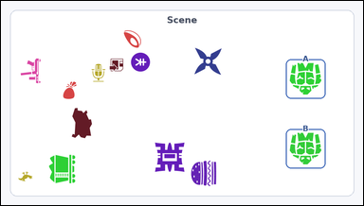 | 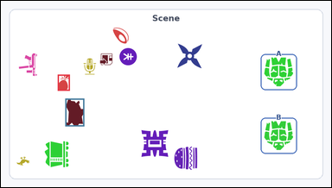 | task_icons_relation_between_two_anchors_count | inside_horizontal_strip | Work from the image with a Scene panel of icons where two icons are marked as Anchor A and Anchor B. Answer this question: How many icons have centers in the horizontal strip between Anchor A and Anchor B? Return a valid JSON object with keys "evidence" and "answer" in that order. Evidence requirement: set "evidence" to a JSON array of [x_min, y_min, x_max, y_max] boxes in image pixel coordinates for all matching icons in the Scene panel, sorted from top to bottom and then left to right. Answer format: set "answer" to the count as an integer. Example JSON: {"evidence":[[312,180,372,240],[540,286,612,358]],"answer":2} | Work from the image with a Scene panel of icons where two icons are marked as Anchor A and Anchor B. Answer this question: How many icons have centers in the horizontal strip between Anchor A and Anchor B? Return a valid JSON object with key "answer". Answer requirement: set "answer" to the count as an integer. Example JSON: {"answer":2} | {"evidence": [[165, 215, 200, 262], [187, 285, 242, 366]], "answer": 2} | [[165, 215, 200, 262], [187, 285, 242, 366]] | integer | bbox_set | 7.1717119544E+15 | icons/task_icons_relation_between_two_anchors_count/images/inside_horizontal_strip/0012.png | icons/task_icons_relation_between_two_anchors_count/data/inside_horizontal_strip/0012.json
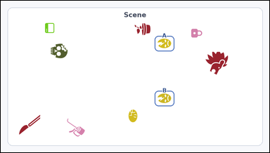 | 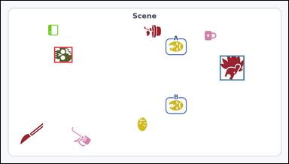 | task_icons_relation_between_two_anchors_count | inside_horizontal_strip | Look at the image with a Scene panel of icons where two icons are marked as Anchor A and Anchor B. Answer this question: How many icons have centers in the horizontal strip between Anchor A and Anchor B? Return a valid JSON object with keys "evidence" and "answer" in that order. Evidence rule: set "evidence" to a JSON array of [x_min, y_min, x_max, y_max] boxes in image pixel coordinates for all matching icons in the Scene panel, sorted from top to bottom and then left to right. Answer rule: set "answer" to the count as an integer. Example JSON: {"evidence":[[312,180,372,240],[540,286,612,358]],"answer":2} | Look at the image with a Scene panel of icons where two icons are marked as Anchor A and Anchor B. Answer this question: How many icons have centers in the horizontal strip between Anchor A and Anchor B? Return a valid JSON object with key "answer". Answer rule: set "answer" to the count as an integer. Example JSON: {"answer":2} | {"evidence": [[178, 154, 239, 207], [731, 183, 813, 266]], "answer": 2} | [[178, 154, 239, 207], [731, 183, 813, 266]] | integer | bbox_set | 7.4220357336E+15 | icons/task_icons_relation_between_two_anchors_count/images/inside_horizontal_strip/0018.png | icons/task_icons_relation_between_two_anchors_count/data/inside_horizontal_strip/0018.json
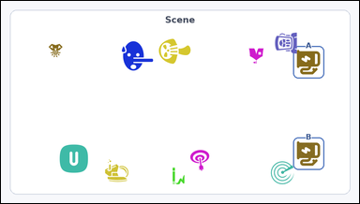 |  | task_icons_relation_between_two_anchors_count | inside_horizontal_strip | Work from the image with a Scene panel of icons where two icons are marked as Anchor A and Anchor B. Determine the answer: How many icons have centers in the horizontal strip between Anchor A and Anchor B? Return a valid JSON object with keys "evidence" and "answer" in that order. Evidence rule: set "evidence" to a JSON array of [x_min, y_min, x_max, y_max] boxes in image pixel coordinates for all matching icons in the Scene panel, sorted from top to bottom and then left to right. Answer rule: set "answer" to the count as an integer. Example JSON: {"evidence":[[312,180,372,240],[540,286,612,358]],"answer":2} | Work from the image with a Scene panel of icons where two icons are marked as Anchor A and Anchor B. Determine the answer: How many icons have centers in the horizontal strip between Anchor A and Anchor B? Return a valid JSON object with key "answer". Answer format: set "answer" to the count as an integer. Example JSON: {"answer":2} | {"evidence": [], "answer": 0} | [] | integer | bbox_set | 7.4699460305E+15 | icons/task_icons_relation_between_two_anchors_count/images/inside_horizontal_strip/0004.png | icons/task_icons_relation_between_two_anchors_count/data/inside_horizontal_strip/0004.json
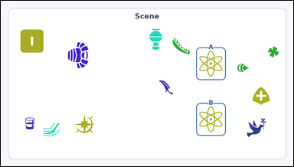 | 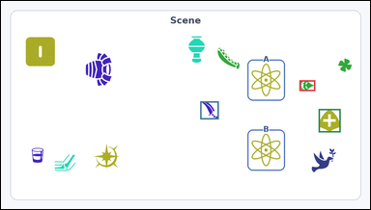 | task_icons_relation_between_two_anchors_count | inside_horizontal_strip | The image shows a Scene panel of icons where two icons are marked as Anchor A and Anchor B. Determine the answer: How many icons have centers in the horizontal strip between Anchor A and Anchor B? Return a valid JSON object with keys "evidence" and "answer" in that order. Evidence rule: set "evidence" to a JSON array of [x_min, y_min, x_max, y_max] boxes in image pixel coordinates for all matching icons in the Scene panel, sorted from top to bottom and then left to right. Answer rule: set "answer" to the count as an integer. Example JSON: {"evidence":[[312,180,372,240],[540,286,612,358]],"answer":2} | The image shows a Scene panel of icons where two icons are marked as Anchor A and Anchor B. Determine the answer: How many icons have centers in the horizontal strip between Anchor A and Anchor B? Return a valid JSON object with key "answer". Answer requirement: set "answer" to the count as an integer. Example JSON: {"answer":2} | {"evidence": [[776, 207, 817, 235], [518, 262, 566, 309], [826, 282, 883, 343]], "answer": 3} | [[776, 207, 817, 235], [518, 262, 566, 309], [826, 282, 883, 343]] | integer | bbox_set | 7.4796973495E+15 | icons/task_icons_relation_between_two_anchors_count/images/inside_horizontal_strip/0009.png | icons/task_icons_relation_between_two_anchors_count/data/inside_horizontal_strip/0009.json
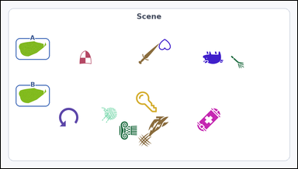 | 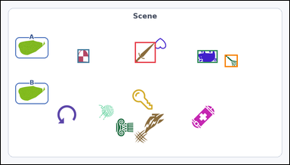 | task_icons_relation_between_two_anchors_count | inside_horizontal_strip | You are given an image with a Scene panel of icons where two icons are marked as Anchor A and Anchor B. Answer this question: How many icons have centers in the horizontal strip between Anchor A and Anchor B? Return a valid JSON object with keys "evidence" and "answer" in that order. Evidence field: set "evidence" to a JSON array of [x_min, y_min, x_max, y_max] boxes in image pixel coordinates for all matching icons in the Scene panel, sorted from top to bottom and then left to right. Answer field: set "answer" to the count as an integer. Example JSON: {"evidence":[[312,180,372,240],[540,286,612,358]],"answer":2} | You are given an image with a Scene panel of icons where two icons are marked as Anchor A and Anchor B. Answer this question: How many icons have centers in the horizontal strip between Anchor A and Anchor B? Return a valid JSON object with key "answer". Answer rule: set "answer" to the count as an integer. Example JSON: {"answer":2} | {"evidence": [[446, 137, 515, 206], [255, 161, 294, 206], [654, 164, 721, 206], [745, 179, 788, 220]], "answer": 4} | [[446, 137, 515, 206], [255, 161, 294, 206], [654, 164, 721, 206], [745, 179, 788, 220]] | integer | bbox_set | 7.9588430127E+15 | icons/task_icons_relation_between_two_anchors_count/images/inside_horizontal_strip/0015.png | icons/task_icons_relation_between_two_anchors_count/data/inside_horizontal_strip/0015.json

inside_vertical_strip
image | evidence_image | task | task_variant | prompt | prompt_answer_only | answer | answer_evidence | answer_type | evidence_type | instance_seed | image_path | data_path
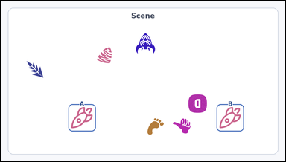 | 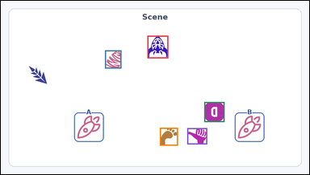 | task_icons_relation_between_two_anchors_count | inside_vertical_strip | The image shows a Scene panel of icons where two icons are marked as Anchor A and Anchor B. Task: How many icons have centers in the vertical strip between Anchor A and Anchor B? Return a valid JSON object with keys "evidence" and "answer" in that order. Evidence requirement: set "evidence" to a JSON array of [x_min, y_min, x_max, y_max] boxes in image pixel coordinates for all matching icons in the Scene panel, sorted from top to bottom and then left to right. Answer format: set "answer" to the count as an integer. Example JSON: {"evidence":[[312,180,372,240],[540,286,612,358]],"answer":2} | The image shows a Scene panel of icons where two icons are marked as Anchor A and Anchor B. Task: How many icons have centers in the vertical strip between Anchor A and Anchor B? Return a valid JSON object with key "answer". Answer field: set "answer" to the count as an integer. Example JSON: {"answer":2} | {"evidence": [[456, 109, 521, 180], [324, 155, 375, 212], [633, 317, 696, 380], [495, 398, 551, 454], [580, 399, 642, 450]], "answer": 5} | [[456, 109, 521, 180], [324, 155, 375, 212], [633, 317, 696, 380], [495, 398, 551, 454], [580, 399, 642, 450]] | integer | bbox_set | 463317173353256 | icons/task_icons_relation_between_two_anchors_count/images/inside_vertical_strip/0003.png | icons/task_icons_relation_between_two_anchors_count/data/inside_vertical_strip/0003.json
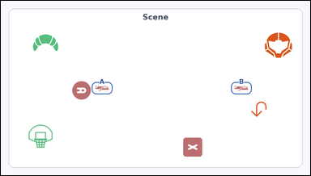 | 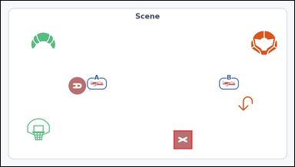 | task_icons_relation_between_two_anchors_count | inside_vertical_strip | Use the image containing a Scene panel of icons where two icons are marked as Anchor A and Anchor B. Answer this question: How many icons have centers in the vertical strip between Anchor A and Anchor B? Return a valid JSON object with keys "evidence" and "answer" in that order. Evidence rule: set "evidence" to a JSON array of [x_min, y_min, x_max, y_max] boxes in image pixel coordinates for all matching icons in the Scene panel, sorted from top to bottom and then left to right. Answer rule: set "answer" to the count as an integer. Example JSON: {"evidence":[[312,180,372,240],[540,286,612,358]],"answer":2} | Use the image containing a Scene panel of icons where two icons are marked as Anchor A and Anchor B. Answer this question: How many icons have centers in the vertical strip between Anchor A and Anchor B? Return a valid JSON object with key "answer". Answer rule: set "answer" to the count as an integer. Example JSON: {"answer":2} | {"evidence": [[565, 426, 626, 487]], "answer": 1} | [[565, 426, 626, 487]] | integer | bbox_set | 472983654966824 | icons/task_icons_relation_between_two_anchors_count/images/inside_vertical_strip/0018.png | icons/task_icons_relation_between_two_anchors_count/data/inside_vertical_strip/0018.json
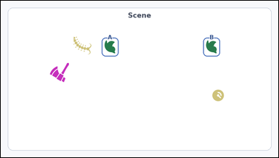 |  | task_icons_relation_between_two_anchors_count | inside_vertical_strip | Use the image containing a Scene panel of icons where two icons are marked as Anchor A and Anchor B. Answer this question: How many icons have centers in the vertical strip between Anchor A and Anchor B? Return a valid JSON object with keys "evidence" and "answer" in that order. Evidence: set "evidence" to a JSON array of [x_min, y_min, x_max, y_max] boxes in image pixel coordinates for all matching icons in the Scene panel, sorted from top to bottom and then left to right. Answer: set "answer" to the count as an integer. Example JSON: {"evidence":[[312,180,372,240],[540,286,612,358]],"answer":2} | Use the image containing a Scene panel of icons where two icons are marked as Anchor A and Anchor B. Answer this question: How many icons have centers in the vertical strip between Anchor A and Anchor B? Return a valid JSON object with key "answer". Answer requirement: set "answer" to the count as an integer. Example JSON: {"answer":2} | {"evidence": [], "answer": 0} | [] | integer | bbox_set | 679557822693122 | icons/task_icons_relation_between_two_anchors_count/images/inside_vertical_strip/0000.png | icons/task_icons_relation_between_two_anchors_count/data/inside_vertical_strip/0000.json
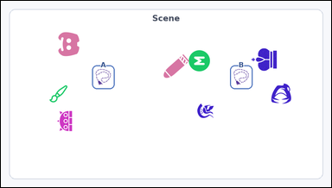 |  | task_icons_relation_between_two_anchors_count | inside_vertical_strip | You are given an image with a Scene panel of icons where two icons are marked as Anchor A and Anchor B. Question: How many icons have centers in the vertical strip between Anchor A and Anchor B? Return a valid JSON object with keys "evidence" and "answer" in that order. Evidence: set "evidence" to a JSON array of [x_min, y_min, x_max, y_max] boxes in image pixel coordinates for all matching icons in the Scene panel, sorted from top to bottom and then left to right. Answer: set "answer" to the count as an integer. Example JSON: {"evidence":[[312,180,372,240],[540,286,612,358]],"answer":2} | You are given an image with a Scene panel of icons where two icons are marked as Anchor A and Anchor B. Question: How many icons have centers in the vertical strip between Anchor A and Anchor B? Return a valid JSON object with key "answer". Answer requirement: set "answer" to the count as an integer. Example JSON: {"answer":2} | {"evidence": [[546, 144, 608, 206], [473, 156, 548, 225], [571, 299, 619, 343]], "answer": 3} | [[546, 144, 608, 206], [473, 156, 548, 225], [571, 299, 619, 343]] | integer | bbox_set | 762434168789604 | icons/task_icons_relation_between_two_anchors_count/images/inside_vertical_strip/0001.png | icons/task_icons_relation_between_two_anchors_count/data/inside_vertical_strip/0001.json
 |  | task_icons_relation_between_two_anchors_count | inside_vertical_strip | Look at the image with a Scene panel of icons where two icons are marked as Anchor A and Anchor B. Determine the answer: How many icons have centers in the vertical strip between Anchor A and Anchor B? Return a valid JSON object with keys "evidence" and "answer" in that order. Evidence: set "evidence" to a JSON array of [x_min, y_min, x_max, y_max] boxes in image pixel coordinates for all matching icons in the Scene panel, sorted from top to bottom and then left to right. Answer: set "answer" to the count as an integer. Example JSON: {"evidence":[[312,180,372,240],[540,286,612,358]],"answer":2} | Look at the image with a Scene panel of icons where two icons are marked as Anchor A and Anchor B. Determine the answer: How many icons have centers in the vertical strip between Anchor A and Anchor B? Return a valid JSON object with key "answer". Answer field: set "answer" to the count as an integer. Example JSON: {"answer":2} | {"evidence": [], "answer": 0} | [] | integer | bbox_set | 983940791712754 | icons/task_icons_relation_between_two_anchors_count/images/inside_vertical_strip/0020.png | icons/task_icons_relation_between_two_anchors_count/data/inside_vertical_strip/0020.json
 |  | task_icons_relation_between_two_anchors_count | inside_vertical_strip | Use the image containing a Scene panel of icons where two icons are marked as Anchor A and Anchor B. Task: How many icons have centers in the vertical strip between Anchor A and Anchor B? Return a valid JSON object with keys "evidence" and "answer" in that order. Evidence format: set "evidence" to a JSON array of [x_min, y_min, x_max, y_max] boxes in image pixel coordinates for all matching icons in the Scene panel, sorted from top to bottom and then left to right. Answer requirement: set "answer" to the count as an integer. Example JSON: {"evidence":[[312,180,372,240],[540,286,612,358]],"answer":2} | Use the image containing a Scene panel of icons where two icons are marked as Anchor A and Anchor B. Task: How many icons have centers in the vertical strip between Anchor A and Anchor B? Return a valid JSON object with key "answer". Answer requirement: set "answer" to the count as an integer. Example JSON: {"answer":2} | {"evidence": [], "answer": 0} | [] | integer | bbox_set | 1.145796578E+15 | icons/task_icons_relation_between_two_anchors_count/images/inside_vertical_strip/0014.png | icons/task_icons_relation_between_two_anchors_count/data/inside_vertical_strip/0014.json
 |  | task_icons_relation_between_two_anchors_count | inside_vertical_strip | The image shows a Scene panel of icons where two icons are marked as Anchor A and Anchor B. Determine the answer: How many icons have centers in the vertical strip between Anchor A and Anchor B? Return a valid JSON object with keys "evidence" and "answer" in that order. Evidence format: set "evidence" to a JSON array of [x_min, y_min, x_max, y_max] boxes in image pixel coordinates for all matching icons in the Scene panel, sorted from top to bottom and then left to right. Answer requirement: set "answer" to the count as an integer. Example JSON: {"evidence":[[312,180,372,240],[540,286,612,358]],"answer":2} | The image shows a Scene panel of icons where two icons are marked as Anchor A and Anchor B. Determine the answer: How many icons have centers in the vertical strip between Anchor A and Anchor B? Return a valid JSON object with key "answer". Answer format: set "answer" to the count as an integer. Example JSON: {"answer":2} | {"evidence": [[210, 129, 252, 171], [602, 172, 649, 208], [347, 211, 437, 301], [430, 257, 520, 347]], "answer": 4} | [[210, 129, 252, 171], [602, 172, 649, 208], [347, 211, 437, 301], [430, 257, 520, 347]] | integer | bbox_set | 1.1900551586E+15 | icons/task_icons_relation_between_two_anchors_count/images/inside_vertical_strip/0013.png | icons/task_icons_relation_between_two_anchors_count/data/inside_vertical_strip/0013.json
 |  | task_icons_relation_between_two_anchors_count | inside_vertical_strip | The image shows a Scene panel of icons where two icons are marked as Anchor A and Anchor B. Determine the answer: How many icons have centers in the vertical strip between Anchor A and Anchor B? Return a valid JSON object with keys "evidence" and "answer" in that order. Evidence requirement: set "evidence" to a JSON array of [x_min, y_min, x_max, y_max] boxes in image pixel coordinates for all matching icons in the Scene panel, sorted from top to bottom and then left to right. Answer format: set "answer" to the count as an integer. Example JSON: {"evidence":[[312,180,372,240],[540,286,612,358]],"answer":2} | The image shows a Scene panel of icons where two icons are marked as Anchor A and Anchor B. Determine the answer: How many icons have centers in the vertical strip between Anchor A and Anchor B? Return a valid JSON object with key "answer". Answer requirement: set "answer" to the count as an integer. Example JSON: {"answer":2} | {"evidence": [], "answer": 0} | [] | integer | bbox_set | 1.2728683627E+15 | icons/task_icons_relation_between_two_anchors_count/images/inside_vertical_strip/0022.png | icons/task_icons_relation_between_two_anchors_count/data/inside_vertical_strip/0022.json
 |  | task_icons_relation_between_two_anchors_count | inside_vertical_strip | The image shows a Scene panel of icons where two icons are marked as Anchor A and Anchor B. Determine the answer: How many icons have centers in the vertical strip between Anchor A and Anchor B? Return a valid JSON object with keys "evidence" and "answer" in that order. Evidence format: set "evidence" to a JSON array of [x_min, y_min, x_max, y_max] boxes in image pixel coordinates for all matching icons in the Scene panel, sorted from top to bottom and then left to right. Answer requirement: set "answer" to the count as an integer. Example JSON: {"evidence":[[312,180,372,240],[540,286,612,358]],"answer":2} | The image shows a Scene panel of icons where two icons are marked as Anchor A and Anchor B. Determine the answer: How many icons have centers in the vertical strip between Anchor A and Anchor B? Return a valid JSON object with key "answer". Answer format: set "answer" to the count as an integer. Example JSON: {"answer":2} | {"evidence": [[362, 102, 410, 151]], "answer": 1} | [[362, 102, 410, 151]] | integer | bbox_set | 1.5396022488E+15 | icons/task_icons_relation_between_two_anchors_count/images/inside_vertical_strip/0024.png | icons/task_icons_relation_between_two_anchors_count/data/inside_vertical_strip/0024.json
 |  | task_icons_relation_between_two_anchors_count | inside_vertical_strip | Work from the image with a Scene panel of icons where two icons are marked as Anchor A and Anchor B. Task: How many icons have centers in the vertical strip between Anchor A and Anchor B? Return a valid JSON object with keys "evidence" and "answer" in that order. Evidence rule: set "evidence" to a JSON array of [x_min, y_min, x_max, y_max] boxes in image pixel coordinates for all matching icons in the Scene panel, sorted from top to bottom and then left to right. Answer rule: set "answer" to the count as an integer. Example JSON: {"evidence":[[312,180,372,240],[540,286,612,358]],"answer":2} | Work from the image with a Scene panel of icons where two icons are marked as Anchor A and Anchor B. Task: How many icons have centers in the vertical strip between Anchor A and Anchor B? Return a valid JSON object with key "answer". Answer: set "answer" to the count as an integer. Example JSON: {"answer":2} | {"evidence": [[238, 121, 311, 180], [359, 224, 409, 274], [487, 249, 526, 287]], "answer": 3} | [[238, 121, 311, 180], [359, 224, 409, 274], [487, 249, 526, 287]] | integer | bbox_set | 2.252132093E+15 | icons/task_icons_relation_between_two_anchors_count/images/inside_vertical_strip/0012.png | icons/task_icons_relation_between_two_anchors_count/data/inside_vertical_strip/0012.json
 |  | task_icons_relation_between_two_anchors_count | inside_vertical_strip | Look at the image with a Scene panel of icons where two icons are marked as Anchor A and Anchor B. Question: How many icons have centers in the vertical strip between Anchor A and Anchor B? Return a valid JSON object with keys "evidence" and "answer" in that order. Evidence: set "evidence" to a JSON array of [x_min, y_min, x_max, y_max] boxes in image pixel coordinates for all matching icons in the Scene panel, sorted from top to bottom and then left to right. Answer: set "answer" to the count as an integer. Example JSON: {"evidence":[[312,180,372,240],[540,286,612,358]],"answer":2} | Look at the image with a Scene panel of icons where two icons are marked as Anchor A and Anchor B. Question: How many icons have centers in the vertical strip between Anchor A and Anchor B? Return a valid JSON object with key "answer". Answer format: set "answer" to the count as an integer. Example JSON: {"answer":2} | {"evidence": [], "answer": 0} | [] | integer | bbox_set | 2.2641523592E+15 | icons/task_icons_relation_between_two_anchors_count/images/inside_vertical_strip/0005.png | icons/task_icons_relation_between_two_anchors_count/data/inside_vertical_strip/0005.json
 |  | task_icons_relation_between_two_anchors_count | inside_vertical_strip | You are given an image with a Scene panel of icons where two icons are marked as Anchor A and Anchor B. Determine the answer: How many icons have centers in the vertical strip between Anchor A and Anchor B? Return a valid JSON object with keys "evidence" and "answer" in that order. Evidence rule: set "evidence" to a JSON array of [x_min, y_min, x_max, y_max] boxes in image pixel coordinates for all matching icons in the Scene panel, sorted from top to bottom and then left to right. Answer rule: set "answer" to the count as an integer. Example JSON: {"evidence":[[312,180,372,240],[540,286,612,358]],"answer":2} | You are given an image with a Scene panel of icons where two icons are marked as Anchor A and Anchor B. Determine the answer: How many icons have centers in the vertical strip between Anchor A and Anchor B? Return a valid JSON object with key "answer". Answer: set "answer" to the count as an integer. Example JSON: {"answer":2} | {"evidence": [[376, 234, 437, 294], [253, 371, 299, 418]], "answer": 2} | [[376, 234, 437, 294], [253, 371, 299, 418]] | integer | bbox_set | 2.9625331784E+15 | icons/task_icons_relation_between_two_anchors_count/images/inside_vertical_strip/0017.png | icons/task_icons_relation_between_two_anchors_count/data/inside_vertical_strip/0017.json
 |  | task_icons_relation_between_two_anchors_count | inside_vertical_strip | Use the image containing a Scene panel of icons where two icons are marked as Anchor A and Anchor B. Task: How many icons have centers in the vertical strip between Anchor A and Anchor B? Return a valid JSON object with keys "evidence" and "answer" in that order. Evidence rule: set "evidence" to a JSON array of [x_min, y_min, x_max, y_max] boxes in image pixel coordinates for all matching icons in the Scene panel, sorted from top to bottom and then left to right. Answer rule: set "answer" to the count as an integer. Example JSON: {"evidence":[[312,180,372,240],[540,286,612,358]],"answer":2} | Use the image containing a Scene panel of icons where two icons are marked as Anchor A and Anchor B. Task: How many icons have centers in the vertical strip between Anchor A and Anchor B? Return a valid JSON object with key "answer". Answer rule: set "answer" to the count as an integer. Example JSON: {"answer":2} | {"evidence": [[416, 102, 488, 171], [581, 147, 664, 234], [397, 170, 436, 201], [456, 253, 514, 295], [429, 292, 480, 342]], "answer": 5} | [[416, 102, 488, 171], [581, 147, 664, 234], [397, 170, 436, 201], [456, 253, 514, 295], [429, 292, 480, 342]] | integer | bbox_set | 4.5436470051E+15 | icons/task_icons_relation_between_two_anchors_count/images/inside_vertical_strip/0008.png | icons/task_icons_relation_between_two_anchors_count/data/inside_vertical_strip/0008.json
 |  | task_icons_relation_between_two_anchors_count | inside_vertical_strip | Look at the image with a Scene panel of icons where two icons are marked as Anchor A and Anchor B. How many icons have centers in the vertical strip between Anchor A and Anchor B? Return a valid JSON object with keys "evidence" and "answer" in that order. Evidence: set "evidence" to a JSON array of [x_min, y_min, x_max, y_max] boxes in image pixel coordinates for all matching icons in the Scene panel, sorted from top to bottom and then left to right. Answer: set "answer" to the count as an integer. Example JSON: {"evidence":[[312,180,372,240],[540,286,612,358]],"answer":2} | Look at the image with a Scene panel of icons where two icons are marked as Anchor A and Anchor B. How many icons have centers in the vertical strip between Anchor A and Anchor B? Return a valid JSON object with key "answer". Answer field: set "answer" to the count as an integer. Example JSON: {"answer":2} | {"evidence": [], "answer": 0} | [] | integer | bbox_set | 4.7813361872E+15 | icons/task_icons_relation_between_two_anchors_count/images/inside_vertical_strip/0002.png | icons/task_icons_relation_between_two_anchors_count/data/inside_vertical_strip/0002.json
 |  | task_icons_relation_between_two_anchors_count | inside_vertical_strip | Work from the image with a Scene panel of icons where two icons are marked as Anchor A and Anchor B. Task: How many icons have centers in the vertical strip between Anchor A and Anchor B? Return a valid JSON object with keys "evidence" and "answer" in that order. Evidence requirement: set "evidence" to a JSON array of [x_min, y_min, x_max, y_max] boxes in image pixel coordinates for all matching icons in the Scene panel, sorted from top to bottom and then left to right. Answer format: set "answer" to the count as an integer. Example JSON: {"evidence":[[312,180,372,240],[540,286,612,358]],"answer":2} | Work from the image with a Scene panel of icons where two icons are marked as Anchor A and Anchor B. Task: How many icons have centers in the vertical strip between Anchor A and Anchor B? Return a valid JSON object with key "answer". Answer rule: set "answer" to the count as an integer. Example JSON: {"answer":2} | {"evidence": [[454, 236, 543, 324]], "answer": 1} | [[454, 236, 543, 324]] | integer | bbox_set | 5.1580531141E+15 | icons/task_icons_relation_between_two_anchors_count/images/inside_vertical_strip/0009.png | icons/task_icons_relation_between_two_anchors_count/data/inside_vertical_strip/0009.json
 |  | task_icons_relation_between_two_anchors_count | inside_vertical_strip | Use the image containing a Scene panel of icons where two icons are marked as Anchor A and Anchor B. Determine the answer: How many icons have centers in the vertical strip between Anchor A and Anchor B? Return a valid JSON object with keys "evidence" and "answer" in that order. Evidence requirement: set "evidence" to a JSON array of [x_min, y_min, x_max, y_max] boxes in image pixel coordinates for all matching icons in the Scene panel, sorted from top to bottom and then left to right. Answer format: set "answer" to the count as an integer. Example JSON: {"evidence":[[312,180,372,240],[540,286,612,358]],"answer":2} | Use the image containing a Scene panel of icons where two icons are marked as Anchor A and Anchor B. Determine the answer: How many icons have centers in the vertical strip between Anchor A and Anchor B? Return a valid JSON object with key "answer". Answer field: set "answer" to the count as an integer. Example JSON: {"answer":2} | {"evidence": [[538, 98, 564, 123], [414, 277, 479, 350], [559, 293, 608, 342]], "answer": 3} | [[538, 98, 564, 123], [414, 277, 479, 350], [559, 293, 608, 342]] | integer | bbox_set | 5.4786753092E+15 | icons/task_icons_relation_between_two_anchors_count/images/inside_vertical_strip/0006.png | icons/task_icons_relation_between_two_anchors_count/data/inside_vertical_strip/0006.json
 |  | task_icons_relation_between_two_anchors_count | inside_vertical_strip | You are given an image with a Scene panel of icons where two icons are marked as Anchor A and Anchor B. Question: How many icons have centers in the vertical strip between Anchor A and Anchor B? Return a valid JSON object with keys "evidence" and "answer" in that order. Evidence rule: set "evidence" to a JSON array of [x_min, y_min, x_max, y_max] boxes in image pixel coordinates for all matching icons in the Scene panel, sorted from top to bottom and then left to right. Answer rule: set "answer" to the count as an integer. Example JSON: {"evidence":[[312,180,372,240],[540,286,612,358]],"answer":2} | You are given an image with a Scene panel of icons where two icons are marked as Anchor A and Anchor B. Question: How many icons have centers in the vertical strip between Anchor A and Anchor B? Return a valid JSON object with key "answer". Answer: set "answer" to the count as an integer. Example JSON: {"answer":2} | {"evidence": [[325, 137, 401, 213]], "answer": 1} | [[325, 137, 401, 213]] | integer | bbox_set | 5.803917698E+15 | icons/task_icons_relation_between_two_anchors_count/images/inside_vertical_strip/0007.png | icons/task_icons_relation_between_two_anchors_count/data/inside_vertical_strip/0007.json
 |  | task_icons_relation_between_two_anchors_count | inside_vertical_strip | You are given an image with a Scene panel of icons where two icons are marked as Anchor A and Anchor B. Determine the answer: How many icons have centers in the vertical strip between Anchor A and Anchor B? Return a valid JSON object with keys "evidence" and "answer" in that order. Evidence requirement: set "evidence" to a JSON array of [x_min, y_min, x_max, y_max] boxes in image pixel coordinates for all matching icons in the Scene panel, sorted from top to bottom and then left to right. Answer format: set "answer" to the count as an integer. Example JSON: {"evidence":[[312,180,372,240],[540,286,612,358]],"answer":2} | You are given an image with a Scene panel of icons where two icons are marked as Anchor A and Anchor B. Determine the answer: How many icons have centers in the vertical strip between Anchor A and Anchor B? Return a valid JSON object with key "answer". Answer field: set "answer" to the count as an integer. Example JSON: {"answer":2} | {"evidence": [[680, 245, 737, 302]], "answer": 1} | [[680, 245, 737, 302]] | integer | bbox_set | 5.9509639097E+15 | icons/task_icons_relation_between_two_anchors_count/images/inside_vertical_strip/0011.png | icons/task_icons_relation_between_two_anchors_count/data/inside_vertical_strip/0011.json
 |  | task_icons_relation_between_two_anchors_count | inside_vertical_strip | The image shows a Scene panel of icons where two icons are marked as Anchor A and Anchor B. Determine the answer: How many icons have centers in the vertical strip between Anchor A and Anchor B? Return a valid JSON object with keys "evidence" and "answer" in that order. Evidence: set "evidence" to a JSON array of [x_min, y_min, x_max, y_max] boxes in image pixel coordinates for all matching icons in the Scene panel, sorted from top to bottom and then left to right. Answer: set "answer" to the count as an integer. Example JSON: {"evidence":[[312,180,372,240],[540,286,612,358]],"answer":2} | The image shows a Scene panel of icons where two icons are marked as Anchor A and Anchor B. Determine the answer: How many icons have centers in the vertical strip between Anchor A and Anchor B? Return a valid JSON object with key "answer". Answer: set "answer" to the count as an integer. Example JSON: {"answer":2} | {"evidence": [[534, 114, 582, 163], [312, 332, 373, 392], [477, 369, 527, 396], [251, 408, 329, 485]], "answer": 4} | [[534, 114, 582, 163], [312, 332, 373, 392], [477, 369, 527, 396], [251, 408, 329, 485]] | integer | bbox_set | 6.6298320938E+15 | icons/task_icons_relation_between_two_anchors_count/images/inside_vertical_strip/0023.png | icons/task_icons_relation_between_two_anchors_count/data/inside_vertical_strip/0023.json
 |  | task_icons_relation_between_two_anchors_count | inside_vertical_strip | Work from the image with a Scene panel of icons where two icons are marked as Anchor A and Anchor B. Determine the answer: How many icons have centers in the vertical strip between Anchor A and Anchor B? Return a valid JSON object with keys "evidence" and "answer" in that order. Evidence rule: set "evidence" to a JSON array of [x_min, y_min, x_max, y_max] boxes in image pixel coordinates for all matching icons in the Scene panel, sorted from top to bottom and then left to right. Answer rule: set "answer" to the count as an integer. Example JSON: {"evidence":[[312,180,372,240],[540,286,612,358]],"answer":2} | Work from the image with a Scene panel of icons where two icons are marked as Anchor A and Anchor B. Determine the answer: How many icons have centers in the vertical strip between Anchor A and Anchor B? Return a valid JSON object with key "answer". Answer: set "answer" to the count as an integer. Example JSON: {"answer":2} | {"evidence": [[480, 168, 560, 244], [568, 222, 605, 253], [491, 261, 541, 311], [560, 328, 638, 386], [577, 409, 628, 459]], "answer": 5} | [[480, 168, 560, 244], [568, 222, 605, 253], [491, 261, 541, 311], [560, 328, 638, 386], [577, 409, 628, 459]] | integer | bbox_set | 6.6691321143E+15 | icons/task_icons_relation_between_two_anchors_count/images/inside_vertical_strip/0010.png | icons/task_icons_relation_between_two_anchors_count/data/inside_vertical_strip/0010.json
 |  | task_icons_relation_between_two_anchors_count | inside_vertical_strip | You are given an image with a Scene panel of icons where two icons are marked as Anchor A and Anchor B. Task: How many icons have centers in the vertical strip between Anchor A and Anchor B? Return a valid JSON object with keys "evidence" and "answer" in that order. Evidence field: set "evidence" to a JSON array of [x_min, y_min, x_max, y_max] boxes in image pixel coordinates for all matching icons in the Scene panel, sorted from top to bottom and then left to right. Answer field: set "answer" to the count as an integer. Example JSON: {"evidence":[[312,180,372,240],[540,286,612,358]],"answer":2} | You are given an image with a Scene panel of icons where two icons are marked as Anchor A and Anchor B. Task: How many icons have centers in the vertical strip between Anchor A and Anchor B? Return a valid JSON object with key "answer". Answer format: set "answer" to the count as an integer. Example JSON: {"answer":2} | {"evidence": [[568, 85, 629, 146], [582, 146, 615, 187], [324, 179, 364, 219], [354, 227, 402, 277], [523, 331, 565, 369]], "answer": 5} | [[568, 85, 629, 146], [582, 146, 615, 187], [324, 179, 364, 219], [354, 227, 402, 277], [523, 331, 565, 369]] | integer | bbox_set | 7.0783040062E+15 | icons/task_icons_relation_between_two_anchors_count/images/inside_vertical_strip/0004.png | icons/task_icons_relation_between_two_anchors_count/data/inside_vertical_strip/0004.json
 |  | task_icons_relation_between_two_anchors_count | inside_vertical_strip | You are given an image with a Scene panel of icons where two icons are marked as Anchor A and Anchor B. Task: How many icons have centers in the vertical strip between Anchor A and Anchor B? Return a valid JSON object with keys "evidence" and "answer" in that order. Evidence field: set "evidence" to a JSON array of [x_min, y_min, x_max, y_max] boxes in image pixel coordinates for all matching icons in the Scene panel, sorted from top to bottom and then left to right. Answer field: set "answer" to the count as an integer. Example JSON: {"evidence":[[312,180,372,240],[540,286,612,358]],"answer":2} | You are given an image with a Scene panel of icons where two icons are marked as Anchor A and Anchor B. Task: How many icons have centers in the vertical strip between Anchor A and Anchor B? Return a valid JSON object with key "answer". Answer rule: set "answer" to the count as an integer. Example JSON: {"answer":2} | {"evidence": [[367, 104, 401, 142], [405, 228, 437, 284], [262, 241, 319, 298], [650, 299, 698, 346], [474, 347, 544, 401]], "answer": 5} | [[367, 104, 401, 142], [405, 228, 437, 284], [262, 241, 319, 298], [650, 299, 698, 346], [474, 347, 544, 401]] | integer | bbox_set | 7.1826479949E+15 | icons/task_icons_relation_between_two_anchors_count/images/inside_vertical_strip/0019.png | icons/task_icons_relation_between_two_anchors_count/data/inside_vertical_strip/0019.json
 |  | task_icons_relation_between_two_anchors_count | inside_vertical_strip | Look at the image with a Scene panel of icons where two icons are marked as Anchor A and Anchor B. Answer this question: How many icons have centers in the vertical strip between Anchor A and Anchor B? Return a valid JSON object with keys "evidence" and "answer" in that order. Evidence field: set "evidence" to a JSON array of [x_min, y_min, x_max, y_max] boxes in image pixel coordinates for all matching icons in the Scene panel, sorted from top to bottom and then left to right. Answer field: set "answer" to the count as an integer. Example JSON: {"evidence":[[312,180,372,240],[540,286,612,358]],"answer":2} | Look at the image with a Scene panel of icons where two icons are marked as Anchor A and Anchor B. Answer this question: How many icons have centers in the vertical strip between Anchor A and Anchor B? Return a valid JSON object with key "answer". Answer field: set "answer" to the count as an integer. Example JSON: {"answer":2} | {"evidence": [[683, 79, 709, 113], [534, 216, 616, 278], [635, 403, 691, 461]], "answer": 3} | [[683, 79, 709, 113], [534, 216, 616, 278], [635, 403, 691, 461]] | integer | bbox_set | 7.6950218658E+15 | icons/task_icons_relation_between_two_anchors_count/images/inside_vertical_strip/0016.png | icons/task_icons_relation_between_two_anchors_count/data/inside_vertical_strip/0016.json
 |  | task_icons_relation_between_two_anchors_count | inside_vertical_strip | Use the image containing a Scene panel of icons where two icons are marked as Anchor A and Anchor B. How many icons have centers in the vertical strip between Anchor A and Anchor B? Return a valid JSON object with keys "evidence" and "answer" in that order. Evidence format: set "evidence" to a JSON array of [x_min, y_min, x_max, y_max] boxes in image pixel coordinates for all matching icons in the Scene panel, sorted from top to bottom and then left to right. Answer requirement: set "answer" to the count as an integer. Example JSON: {"evidence":[[312,180,372,240],[540,286,612,358]],"answer":2} | Use the image containing a Scene panel of icons where two icons are marked as Anchor A and Anchor B. How many icons have centers in the vertical strip between Anchor A and Anchor B? Return a valid JSON object with key "answer". Answer format: set "answer" to the count as an integer. Example JSON: {"answer":2} | {"evidence": [[433, 186, 517, 254], [280, 217, 368, 306], [367, 417, 439, 489]], "answer": 3} | [[433, 186, 517, 254], [280, 217, 368, 306], [367, 417, 439, 489]] | integer | bbox_set | 7.8447081163E+15 | icons/task_icons_relation_between_two_anchors_count/images/inside_vertical_strip/0021.png | icons/task_icons_relation_between_two_anchors_count/data/inside_vertical_strip/0021.json
 |  | task_icons_relation_between_two_anchors_count | inside_vertical_strip | The image shows a Scene panel of icons where two icons are marked as Anchor A and Anchor B. Answer this question: How many icons have centers in the vertical strip between Anchor A and Anchor B? Return a valid JSON object with keys "evidence" and "answer" in that order. Evidence format: set "evidence" to a JSON array of [x_min, y_min, x_max, y_max] boxes in image pixel coordinates for all matching icons in the Scene panel, sorted from top to bottom and then left to right. Answer requirement: set "answer" to the count as an integer. Example JSON: {"evidence":[[312,180,372,240],[540,286,612,358]],"answer":2} | The image shows a Scene panel of icons where two icons are marked as Anchor A and Anchor B. Answer this question: How many icons have centers in the vertical strip between Anchor A and Anchor B? Return a valid JSON object with key "answer". Answer field: set "answer" to the count as an integer. Example JSON: {"answer":2} | {"evidence": [[517, 91, 604, 174], [322, 107, 387, 172], [559, 190, 618, 249], [661, 214, 727, 277], [290, 325, 361, 395]], "answer": 5} | [[517, 91, 604, 174], [322, 107, 387, 172], [559, 190, 618, 249], [661, 214, 727, 277], [290, 325, 361, 395]] | integer | bbox_set | 8.4780184014E+15 | icons/task_icons_relation_between_two_anchors_count/images/inside_vertical_strip/0015.png | icons/task_icons_relation_between_two_anchors_count/data/inside_vertical_strip/0015.json

