mirror_both_axes
image | evidence_image | task | task_variant | prompt | prompt_answer_only | answer | answer_evidence | answer_type | evidence_type | instance_seed | image_path | data_path
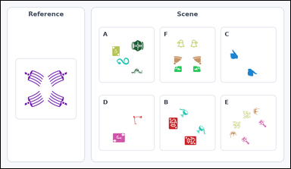 |  | task_icons_relation_mirror_symmetry | mirror_both_axes | Use the image containing a Reference cell on the left and a labeled Scene grid of icon arrangements on the right. Task: How many labeled Scene cells have the same mirror symmetry as the Reference cell? Mirror symmetry may be vertical, horizontal, diagonal, or across both the vertical and horizontal axes. Return a valid JSON object with keys "evidence" and "answer" in that order. Evidence rule: set "evidence" to a sorted JSON array of the matching Scene cell labels. Answer rule: set "answer" to the count as an integer. Example JSON: {"evidence":["B","E"],"answer":2} | Use the image containing a Reference cell on the left and a labeled Scene grid of icon arrangements on the right. Task: How many labeled Scene cells have the same mirror symmetry as the Reference cell? Mirror symmetry may be vertical, horizontal, diagonal, or across both the vertical and horizontal axes. Return a valid JSON object with key "answer". Answer rule: set "answer" to the count as an integer. Example JSON: {"answer":2} | {"evidence": [], "answer": 0} | [] | integer | label_set | 2.579309146E+15 | icons/task_icons_relation_mirror_symmetry/images/mirror_both_axes/0003.png | icons/task_icons_relation_mirror_symmetry/data/mirror_both_axes/0003.json
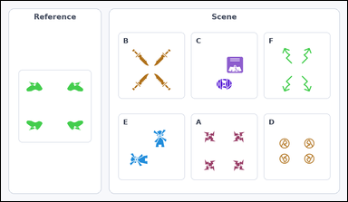 |  | task_icons_relation_mirror_symmetry | mirror_both_axes | Use the image containing a Reference cell on the left and a labeled Scene grid of icon arrangements on the right. Task: How many labeled Scene cells have the same mirror symmetry as the Reference cell? Mirror symmetry may be vertical, horizontal, diagonal, or across both the vertical and horizontal axes. Return a valid JSON object with keys "evidence" and "answer" in that order. Evidence format: set "evidence" to a sorted JSON array of the matching Scene cell labels. Answer requirement: set "answer" to the count as an integer. Example JSON: {"evidence":["B","E"],"answer":2} | Use the image containing a Reference cell on the left and a labeled Scene grid of icon arrangements on the right. Task: How many labeled Scene cells have the same mirror symmetry as the Reference cell? Mirror symmetry may be vertical, horizontal, diagonal, or across both the vertical and horizontal axes. Return a valid JSON object with key "answer". Answer format: set "answer" to the count as an integer. Example JSON: {"answer":2} | {"evidence": ["A", "B", "D", "F"], "answer": 4} | ["A", "B", "D", "F"] | integer | label_set | 2.611117027E+15 | icons/task_icons_relation_mirror_symmetry/images/mirror_both_axes/0002.png | icons/task_icons_relation_mirror_symmetry/data/mirror_both_axes/0002.json
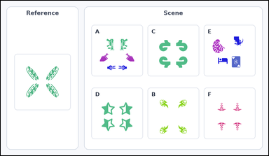 |  | task_icons_relation_mirror_symmetry | mirror_both_axes | You are given an image with a Reference cell on the left and a labeled Scene grid of icon arrangements on the right. How many labeled Scene cells have the same mirror symmetry as the Reference cell? Mirror symmetry may be vertical, horizontal, diagonal, or across both the vertical and horizontal axes. Return a valid JSON object with keys "evidence" and "answer" in that order. Evidence format: set "evidence" to a sorted JSON array of the matching Scene cell labels. Answer requirement: set "answer" to the count as an integer. Example JSON: {"evidence":["B","E"],"answer":2} | You are given an image with a Reference cell on the left and a labeled Scene grid of icon arrangements on the right. How many labeled Scene cells have the same mirror symmetry as the Reference cell? Mirror symmetry may be vertical, horizontal, diagonal, or across both the vertical and horizontal axes. Return a valid JSON object with key "answer". Answer requirement: set "answer" to the count as an integer. Example JSON: {"answer":2} | {"evidence": ["B", "C", "D", "F"], "answer": 4} | ["B", "C", "D", "F"] | integer | label_set | 3.1851823382E+15 | icons/task_icons_relation_mirror_symmetry/images/mirror_both_axes/0000.png | icons/task_icons_relation_mirror_symmetry/data/mirror_both_axes/0000.json
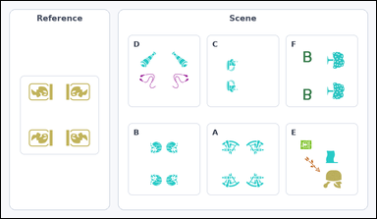 |  | task_icons_relation_mirror_symmetry | mirror_both_axes | You are given an image with a Reference cell on the left and a labeled Scene grid of icon arrangements on the right. How many labeled Scene cells have the same mirror symmetry as the Reference cell? Mirror symmetry may be vertical, horizontal, diagonal, or across both the vertical and horizontal axes. Return a valid JSON object with keys "evidence" and "answer" in that order. Evidence requirement: set "evidence" to a sorted JSON array of the matching Scene cell labels. Answer format: set "answer" to the count as an integer. Example JSON: {"evidence":["B","E"],"answer":2} | You are given an image with a Reference cell on the left and a labeled Scene grid of icon arrangements on the right. How many labeled Scene cells have the same mirror symmetry as the Reference cell? Mirror symmetry may be vertical, horizontal, diagonal, or across both the vertical and horizontal axes. Return a valid JSON object with key "answer". Answer: set "answer" to the count as an integer. Example JSON: {"answer":2} | {"evidence": ["A", "B"], "answer": 2} | ["A", "B"] | integer | label_set | 3.1867915158E+15 | icons/task_icons_relation_mirror_symmetry/images/mirror_both_axes/0001.png | icons/task_icons_relation_mirror_symmetry/data/mirror_both_axes/0001.json
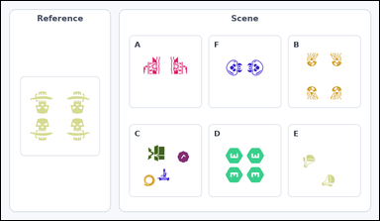 |  | task_icons_relation_mirror_symmetry | mirror_both_axes | Look at the image with a Reference cell on the left and a labeled Scene grid of icon arrangements on the right. Answer this question: How many labeled Scene cells have the same mirror symmetry as the Reference cell? Mirror symmetry may be vertical, horizontal, diagonal, or across both the vertical and horizontal axes. Return a valid JSON object with keys "evidence" and "answer" in that order. Evidence: set "evidence" to a sorted JSON array of the matching Scene cell labels. Answer: set "answer" to the count as an integer. Example JSON: {"evidence":["B","E"],"answer":2} | Look at the image with a Reference cell on the left and a labeled Scene grid of icon arrangements on the right. Answer this question: How many labeled Scene cells have the same mirror symmetry as the Reference cell? Mirror symmetry may be vertical, horizontal, diagonal, or across both the vertical and horizontal axes. Return a valid JSON object with key "answer". Answer format: set "answer" to the count as an integer. Example JSON: {"answer":2} | {"evidence": ["B", "D"], "answer": 2} | ["B", "D"] | integer | label_set | 5.7711795173E+15 | icons/task_icons_relation_mirror_symmetry/images/mirror_both_axes/0004.png | icons/task_icons_relation_mirror_symmetry/data/mirror_both_axes/0004.json

mirror_diagonal_anti
image | evidence_image | task | task_variant | prompt | prompt_answer_only | answer | answer_evidence | answer_type | evidence_type | instance_seed | image_path | data_path
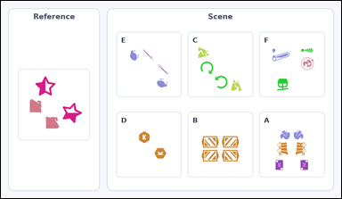 |  | task_icons_relation_mirror_symmetry | mirror_diagonal_anti | Use the image containing a Reference cell on the left and a labeled Scene grid of icon arrangements on the right. Determine the answer: How many labeled Scene cells have the same mirror symmetry as the Reference cell? Mirror symmetry may be vertical, horizontal, diagonal, or across both the vertical and horizontal axes. Return a valid JSON object with keys "evidence" and "answer" in that order. Evidence format: set "evidence" to a sorted JSON array of the matching Scene cell labels. Answer requirement: set "answer" to the count as an integer. Example JSON: {"evidence":["B","E"],"answer":2} | Use the image containing a Reference cell on the left and a labeled Scene grid of icon arrangements on the right. Determine the answer: How many labeled Scene cells have the same mirror symmetry as the Reference cell? Mirror symmetry may be vertical, horizontal, diagonal, or across both the vertical and horizontal axes. Return a valid JSON object with key "answer". Answer field: set "answer" to the count as an integer. Example JSON: {"answer":2} | {"evidence": ["C", "D", "E"], "answer": 3} | ["C", "D", "E"] | integer | label_set | 1.7986932891E+15 | icons/task_icons_relation_mirror_symmetry/images/mirror_diagonal_anti/0003.png | icons/task_icons_relation_mirror_symmetry/data/mirror_diagonal_anti/0003.json
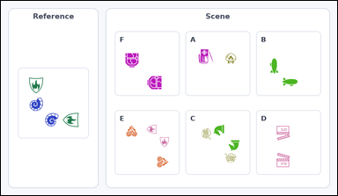 |  | task_icons_relation_mirror_symmetry | mirror_diagonal_anti | You are given an image with a Reference cell on the left and a labeled Scene grid of icon arrangements on the right. Question: How many labeled Scene cells have the same mirror symmetry as the Reference cell? Mirror symmetry may be vertical, horizontal, diagonal, or across both the vertical and horizontal axes. Return a valid JSON object with keys "evidence" and "answer" in that order. Evidence: set "evidence" to a sorted JSON array of the matching Scene cell labels. Answer: set "answer" to the count as an integer. Example JSON: {"evidence":["B","E"],"answer":2} | You are given an image with a Reference cell on the left and a labeled Scene grid of icon arrangements on the right. Question: How many labeled Scene cells have the same mirror symmetry as the Reference cell? Mirror symmetry may be vertical, horizontal, diagonal, or across both the vertical and horizontal axes. Return a valid JSON object with key "answer". Answer: set "answer" to the count as an integer. Example JSON: {"answer":2} | {"evidence": ["B", "C", "E", "F"], "answer": 4} | ["B", "C", "E", "F"] | integer | label_set | 2.1375273103E+15 | icons/task_icons_relation_mirror_symmetry/images/mirror_diagonal_anti/0004.png | icons/task_icons_relation_mirror_symmetry/data/mirror_diagonal_anti/0004.json
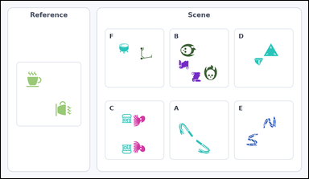 |  | task_icons_relation_mirror_symmetry | mirror_diagonal_anti | Look at the image with a Reference cell on the left and a labeled Scene grid of icon arrangements on the right. Determine the answer: How many labeled Scene cells have the same mirror symmetry as the Reference cell? Mirror symmetry may be vertical, horizontal, diagonal, or across both the vertical and horizontal axes. Return a valid JSON object with keys "evidence" and "answer" in that order. Evidence rule: set "evidence" to a sorted JSON array of the matching Scene cell labels. Answer rule: set "answer" to the count as an integer. Example JSON: {"evidence":["B","E"],"answer":2} | Look at the image with a Reference cell on the left and a labeled Scene grid of icon arrangements on the right. Determine the answer: How many labeled Scene cells have the same mirror symmetry as the Reference cell? Mirror symmetry may be vertical, horizontal, diagonal, or across both the vertical and horizontal axes. Return a valid JSON object with key "answer". Answer field: set "answer" to the count as an integer. Example JSON: {"answer":2} | {"evidence": ["A", "B"], "answer": 2} | ["A", "B"] | integer | label_set | 3.8729856908E+15 | icons/task_icons_relation_mirror_symmetry/images/mirror_diagonal_anti/0000.png | icons/task_icons_relation_mirror_symmetry/data/mirror_diagonal_anti/0000.json
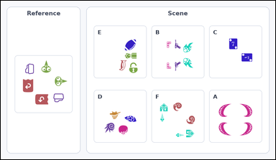 |  | task_icons_relation_mirror_symmetry | mirror_diagonal_anti | Work from the image with a Reference cell on the left and a labeled Scene grid of icon arrangements on the right. Answer this question: How many labeled Scene cells have the same mirror symmetry as the Reference cell? Mirror symmetry may be vertical, horizontal, diagonal, or across both the vertical and horizontal axes. Return a valid JSON object with keys "evidence" and "answer" in that order. Evidence requirement: set "evidence" to a sorted JSON array of the matching Scene cell labels. Answer format: set "answer" to the count as an integer. Example JSON: {"evidence":["B","E"],"answer":2} | Work from the image with a Reference cell on the left and a labeled Scene grid of icon arrangements on the right. Answer this question: How many labeled Scene cells have the same mirror symmetry as the Reference cell? Mirror symmetry may be vertical, horizontal, diagonal, or across both the vertical and horizontal axes. Return a valid JSON object with key "answer". Answer: set "answer" to the count as an integer. Example JSON: {"answer":2} | {"evidence": ["C", "F"], "answer": 2} | ["C", "F"] | integer | label_set | 5.1984757868E+15 | icons/task_icons_relation_mirror_symmetry/images/mirror_diagonal_anti/0002.png | icons/task_icons_relation_mirror_symmetry/data/mirror_diagonal_anti/0002.json
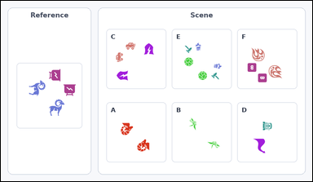 |  | task_icons_relation_mirror_symmetry | mirror_diagonal_anti | You are given an image with a Reference cell on the left and a labeled Scene grid of icon arrangements on the right. Task: How many labeled Scene cells have the same mirror symmetry as the Reference cell? Mirror symmetry may be vertical, horizontal, diagonal, or across both the vertical and horizontal axes. Return a valid JSON object with keys "evidence" and "answer" in that order. Evidence rule: set "evidence" to a sorted JSON array of the matching Scene cell labels. Answer rule: set "answer" to the count as an integer. Example JSON: {"evidence":["B","E"],"answer":2} | You are given an image with a Reference cell on the left and a labeled Scene grid of icon arrangements on the right. Task: How many labeled Scene cells have the same mirror symmetry as the Reference cell? Mirror symmetry may be vertical, horizontal, diagonal, or across both the vertical and horizontal axes. Return a valid JSON object with key "answer". Answer: set "answer" to the count as an integer. Example JSON: {"answer":2} | {"evidence": ["A", "B", "E", "F"], "answer": 4} | ["A", "B", "E", "F"] | integer | label_set | 7.7012603805E+15 | icons/task_icons_relation_mirror_symmetry/images/mirror_diagonal_anti/0001.png | icons/task_icons_relation_mirror_symmetry/data/mirror_diagonal_anti/0001.json

mirror_diagonal_main
image | evidence_image | task | task_variant | prompt | prompt_answer_only | answer | answer_evidence | answer_type | evidence_type | instance_seed | image_path | data_path
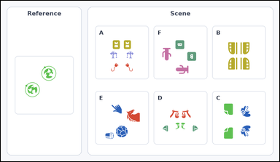 |  | task_icons_relation_mirror_symmetry | mirror_diagonal_main | Work from the image with a Reference cell on the left and a labeled Scene grid of icon arrangements on the right. Task: How many labeled Scene cells have the same mirror symmetry as the Reference cell? Mirror symmetry may be vertical, horizontal, diagonal, or across both the vertical and horizontal axes. Return a valid JSON object with keys "evidence" and "answer" in that order. Evidence requirement: set "evidence" to a sorted JSON array of the matching Scene cell labels. Answer format: set "answer" to the count as an integer. Example JSON: {"evidence":["B","E"],"answer":2} | Work from the image with a Reference cell on the left and a labeled Scene grid of icon arrangements on the right. Task: How many labeled Scene cells have the same mirror symmetry as the Reference cell? Mirror symmetry may be vertical, horizontal, diagonal, or across both the vertical and horizontal axes. Return a valid JSON object with key "answer". Answer field: set "answer" to the count as an integer. Example JSON: {"answer":2} | {"evidence": [], "answer": 0} | [] | integer | label_set | 1.3719937091E+15 | icons/task_icons_relation_mirror_symmetry/images/mirror_diagonal_main/0004.png | icons/task_icons_relation_mirror_symmetry/data/mirror_diagonal_main/0004.json
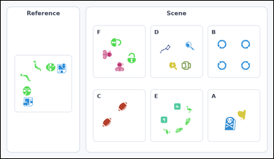 |  | task_icons_relation_mirror_symmetry | mirror_diagonal_main | Use the image containing a Reference cell on the left and a labeled Scene grid of icon arrangements on the right. Question: How many labeled Scene cells have the same mirror symmetry as the Reference cell? Mirror symmetry may be vertical, horizontal, diagonal, or across both the vertical and horizontal axes. Return a valid JSON object with keys "evidence" and "answer" in that order. Evidence rule: set "evidence" to a sorted JSON array of the matching Scene cell labels. Answer rule: set "answer" to the count as an integer. Example JSON: {"evidence":["B","E"],"answer":2} | Use the image containing a Reference cell on the left and a labeled Scene grid of icon arrangements on the right. Question: How many labeled Scene cells have the same mirror symmetry as the Reference cell? Mirror symmetry may be vertical, horizontal, diagonal, or across both the vertical and horizontal axes. Return a valid JSON object with key "answer". Answer: set "answer" to the count as an integer. Example JSON: {"answer":2} | {"evidence": ["C", "E"], "answer": 2} | ["C", "E"] | integer | label_set | 1.6769842636E+15 | icons/task_icons_relation_mirror_symmetry/images/mirror_diagonal_main/0001.png | icons/task_icons_relation_mirror_symmetry/data/mirror_diagonal_main/0001.json
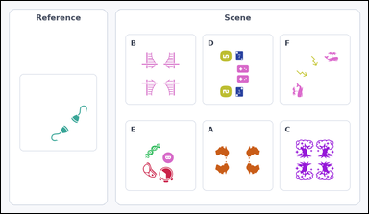 |  | task_icons_relation_mirror_symmetry | mirror_diagonal_main | Look at the image with a Reference cell on the left and a labeled Scene grid of icon arrangements on the right. How many labeled Scene cells have the same mirror symmetry as the Reference cell? Mirror symmetry may be vertical, horizontal, diagonal, or across both the vertical and horizontal axes. Return a valid JSON object with keys "evidence" and "answer" in that order. Evidence field: set "evidence" to a sorted JSON array of the matching Scene cell labels. Answer field: set "answer" to the count as an integer. Example JSON: {"evidence":["B","E"],"answer":2} | Look at the image with a Reference cell on the left and a labeled Scene grid of icon arrangements on the right. How many labeled Scene cells have the same mirror symmetry as the Reference cell? Mirror symmetry may be vertical, horizontal, diagonal, or across both the vertical and horizontal axes. Return a valid JSON object with key "answer". Answer requirement: set "answer" to the count as an integer. Example JSON: {"answer":2} | {"evidence": ["F"], "answer": 1} | ["F"] | integer | label_set | 6.3102637271E+15 | icons/task_icons_relation_mirror_symmetry/images/mirror_diagonal_main/0000.png | icons/task_icons_relation_mirror_symmetry/data/mirror_diagonal_main/0000.json
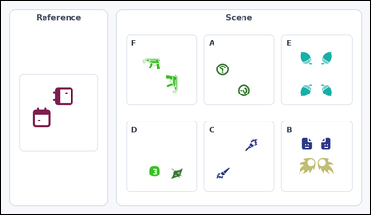 |  | task_icons_relation_mirror_symmetry | mirror_diagonal_main | The image shows a Reference cell on the left and a labeled Scene grid of icon arrangements on the right. Answer this question: How many labeled Scene cells have the same mirror symmetry as the Reference cell? Mirror symmetry may be vertical, horizontal, diagonal, or across both the vertical and horizontal axes. Return a valid JSON object with keys "evidence" and "answer" in that order. Evidence rule: set "evidence" to a sorted JSON array of the matching Scene cell labels. Answer rule: set "answer" to the count as an integer. Example JSON: {"evidence":["B","E"],"answer":2} | The image shows a Reference cell on the left and a labeled Scene grid of icon arrangements on the right. Answer this question: How many labeled Scene cells have the same mirror symmetry as the Reference cell? Mirror symmetry may be vertical, horizontal, diagonal, or across both the vertical and horizontal axes. Return a valid JSON object with key "answer". Answer field: set "answer" to the count as an integer. Example JSON: {"answer":2} | {"evidence": ["C"], "answer": 1} | ["C"] | integer | label_set | 8.2690915703E+15 | icons/task_icons_relation_mirror_symmetry/images/mirror_diagonal_main/0003.png | icons/task_icons_relation_mirror_symmetry/data/mirror_diagonal_main/0003.json
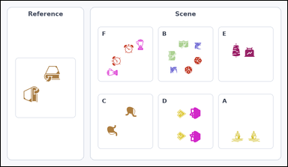 |  | task_icons_relation_mirror_symmetry | mirror_diagonal_main | You are given an image with a Reference cell on the left and a labeled Scene grid of icon arrangements on the right. Answer this question: How many labeled Scene cells have the same mirror symmetry as the Reference cell? Mirror symmetry may be vertical, horizontal, diagonal, or across both the vertical and horizontal axes. Return a valid JSON object with keys "evidence" and "answer" in that order. Evidence format: set "evidence" to a sorted JSON array of the matching Scene cell labels. Answer requirement: set "answer" to the count as an integer. Example JSON: {"evidence":["B","E"],"answer":2} | You are given an image with a Reference cell on the left and a labeled Scene grid of icon arrangements on the right. Answer this question: How many labeled Scene cells have the same mirror symmetry as the Reference cell? Mirror symmetry may be vertical, horizontal, diagonal, or across both the vertical and horizontal axes. Return a valid JSON object with key "answer". Answer requirement: set "answer" to the count as an integer. Example JSON: {"answer":2} | {"evidence": ["B", "C", "F"], "answer": 3} | ["B", "C", "F"] | integer | label_set | 8.862456994E+15 | icons/task_icons_relation_mirror_symmetry/images/mirror_diagonal_main/0002.png | icons/task_icons_relation_mirror_symmetry/data/mirror_diagonal_main/0002.json

mirror_horizontal
image | evidence_image | task | task_variant | prompt | prompt_answer_only | answer | answer_evidence | answer_type | evidence_type | instance_seed | image_path | data_path
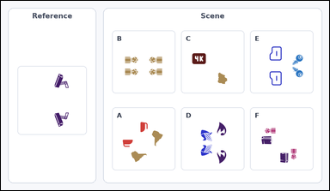 |  | task_icons_relation_mirror_symmetry | mirror_horizontal | You are given an image with a Reference cell on the left and a labeled Scene grid of icon arrangements on the right. Answer this question: How many labeled Scene cells have the same mirror symmetry as the Reference cell? Mirror symmetry may be vertical, horizontal, diagonal, or across both the vertical and horizontal axes. Return a valid JSON object with keys "evidence" and "answer" in that order. Evidence requirement: set "evidence" to a sorted JSON array of the matching Scene cell labels. Answer format: set "answer" to the count as an integer. Example JSON: {"evidence":["B","E"],"answer":2} | You are given an image with a Reference cell on the left and a labeled Scene grid of icon arrangements on the right. Answer this question: How many labeled Scene cells have the same mirror symmetry as the Reference cell? Mirror symmetry may be vertical, horizontal, diagonal, or across both the vertical and horizontal axes. Return a valid JSON object with key "answer". Answer: set "answer" to the count as an integer. Example JSON: {"answer":2} | {"evidence": ["D", "E"], "answer": 2} | ["D", "E"] | integer | label_set | 712371932663732 | icons/task_icons_relation_mirror_symmetry/images/mirror_horizontal/0000.png | icons/task_icons_relation_mirror_symmetry/data/mirror_horizontal/0000.json
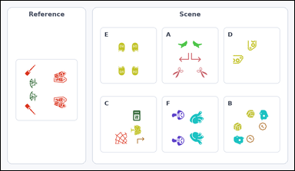 |  | task_icons_relation_mirror_symmetry | mirror_horizontal | Look at the image with a Reference cell on the left and a labeled Scene grid of icon arrangements on the right. Answer this question: How many labeled Scene cells have the same mirror symmetry as the Reference cell? Mirror symmetry may be vertical, horizontal, diagonal, or across both the vertical and horizontal axes. Return a valid JSON object with keys "evidence" and "answer" in that order. Evidence: set "evidence" to a sorted JSON array of the matching Scene cell labels. Answer: set "answer" to the count as an integer. Example JSON: {"evidence":["B","E"],"answer":2} | Look at the image with a Reference cell on the left and a labeled Scene grid of icon arrangements on the right. Answer this question: How many labeled Scene cells have the same mirror symmetry as the Reference cell? Mirror symmetry may be vertical, horizontal, diagonal, or across both the vertical and horizontal axes. Return a valid JSON object with key "answer". Answer rule: set "answer" to the count as an integer. Example JSON: {"answer":2} | {"evidence": ["F"], "answer": 1} | ["F"] | integer | label_set | 5.358013518E+15 | icons/task_icons_relation_mirror_symmetry/images/mirror_horizontal/0004.png | icons/task_icons_relation_mirror_symmetry/data/mirror_horizontal/0004.json
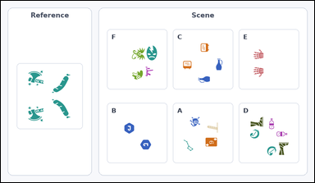 |  | task_icons_relation_mirror_symmetry | mirror_horizontal | The image shows a Reference cell on the left and a labeled Scene grid of icon arrangements on the right. Question: How many labeled Scene cells have the same mirror symmetry as the Reference cell? Mirror symmetry may be vertical, horizontal, diagonal, or across both the vertical and horizontal axes. Return a valid JSON object with keys "evidence" and "answer" in that order. Evidence rule: set "evidence" to a sorted JSON array of the matching Scene cell labels. Answer rule: set "answer" to the count as an integer. Example JSON: {"evidence":["B","E"],"answer":2} | The image shows a Reference cell on the left and a labeled Scene grid of icon arrangements on the right. Question: How many labeled Scene cells have the same mirror symmetry as the Reference cell? Mirror symmetry may be vertical, horizontal, diagonal, or across both the vertical and horizontal axes. Return a valid JSON object with key "answer". Answer requirement: set "answer" to the count as an integer. Example JSON: {"answer":2} | {"evidence": ["E"], "answer": 1} | ["E"] | integer | label_set | 6.0417611045E+15 | icons/task_icons_relation_mirror_symmetry/images/mirror_horizontal/0001.png | icons/task_icons_relation_mirror_symmetry/data/mirror_horizontal/0001.json
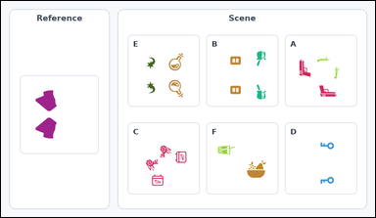 |  | task_icons_relation_mirror_symmetry | mirror_horizontal | Use the image containing a Reference cell on the left and a labeled Scene grid of icon arrangements on the right. Task: How many labeled Scene cells have the same mirror symmetry as the Reference cell? Mirror symmetry may be vertical, horizontal, diagonal, or across both the vertical and horizontal axes. Return a valid JSON object with keys "evidence" and "answer" in that order. Evidence rule: set "evidence" to a sorted JSON array of the matching Scene cell labels. Answer rule: set "answer" to the count as an integer. Example JSON: {"evidence":["B","E"],"answer":2} | Use the image containing a Reference cell on the left and a labeled Scene grid of icon arrangements on the right. Task: How many labeled Scene cells have the same mirror symmetry as the Reference cell? Mirror symmetry may be vertical, horizontal, diagonal, or across both the vertical and horizontal axes. Return a valid JSON object with key "answer". Answer format: set "answer" to the count as an integer. Example JSON: {"answer":2} | {"evidence": ["B", "D", "E"], "answer": 3} | ["B", "D", "E"] | integer | label_set | 6.1481456779E+15 | icons/task_icons_relation_mirror_symmetry/images/mirror_horizontal/0002.png | icons/task_icons_relation_mirror_symmetry/data/mirror_horizontal/0002.json
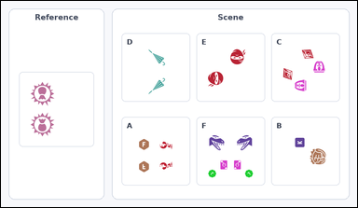 |  | task_icons_relation_mirror_symmetry | mirror_horizontal | Work from the image with a Reference cell on the left and a labeled Scene grid of icon arrangements on the right. Task: How many labeled Scene cells have the same mirror symmetry as the Reference cell? Mirror symmetry may be vertical, horizontal, diagonal, or across both the vertical and horizontal axes. Return a valid JSON object with keys "evidence" and "answer" in that order. Evidence requirement: set "evidence" to a sorted JSON array of the matching Scene cell labels. Answer format: set "answer" to the count as an integer. Example JSON: {"evidence":["B","E"],"answer":2} | Work from the image with a Reference cell on the left and a labeled Scene grid of icon arrangements on the right. Task: How many labeled Scene cells have the same mirror symmetry as the Reference cell? Mirror symmetry may be vertical, horizontal, diagonal, or across both the vertical and horizontal axes. Return a valid JSON object with key "answer". Answer format: set "answer" to the count as an integer. Example JSON: {"answer":2} | {"evidence": ["A", "D"], "answer": 2} | ["A", "D"] | integer | label_set | 8.6088680985E+15 | icons/task_icons_relation_mirror_symmetry/images/mirror_horizontal/0003.png | icons/task_icons_relation_mirror_symmetry/data/mirror_horizontal/0003.json

mirror_vertical
image | evidence_image | task | task_variant | prompt | prompt_answer_only | answer | answer_evidence | answer_type | evidence_type | instance_seed | image_path | data_path
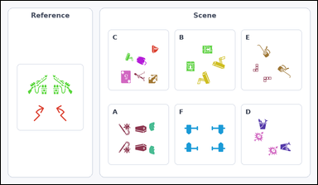 |  | task_icons_relation_mirror_symmetry | mirror_vertical | The image shows a Reference cell on the left and a labeled Scene grid of icon arrangements on the right. Answer this question: How many labeled Scene cells have the same mirror symmetry as the Reference cell? Mirror symmetry may be vertical, horizontal, diagonal, or across both the vertical and horizontal axes. Return a valid JSON object with keys "evidence" and "answer" in that order. Evidence: set "evidence" to a sorted JSON array of the matching Scene cell labels. Answer: set "answer" to the count as an integer. Example JSON: {"evidence":["B","E"],"answer":2} | The image shows a Reference cell on the left and a labeled Scene grid of icon arrangements on the right. Answer this question: How many labeled Scene cells have the same mirror symmetry as the Reference cell? Mirror symmetry may be vertical, horizontal, diagonal, or across both the vertical and horizontal axes. Return a valid JSON object with key "answer". Answer: set "answer" to the count as an integer. Example JSON: {"answer":2} | {"evidence": [], "answer": 0} | [] | integer | label_set | 97979491272890 | icons/task_icons_relation_mirror_symmetry/images/mirror_vertical/0001.png | icons/task_icons_relation_mirror_symmetry/data/mirror_vertical/0001.json
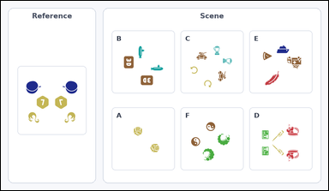 |  | task_icons_relation_mirror_symmetry | mirror_vertical | The image shows a Reference cell on the left and a labeled Scene grid of icon arrangements on the right. Answer this question: How many labeled Scene cells have the same mirror symmetry as the Reference cell? Mirror symmetry may be vertical, horizontal, diagonal, or across both the vertical and horizontal axes. Return a valid JSON object with keys "evidence" and "answer" in that order. Evidence requirement: set "evidence" to a sorted JSON array of the matching Scene cell labels. Answer format: set "answer" to the count as an integer. Example JSON: {"evidence":["B","E"],"answer":2} | The image shows a Reference cell on the left and a labeled Scene grid of icon arrangements on the right. Answer this question: How many labeled Scene cells have the same mirror symmetry as the Reference cell? Mirror symmetry may be vertical, horizontal, diagonal, or across both the vertical and horizontal axes. Return a valid JSON object with key "answer". Answer requirement: set "answer" to the count as an integer. Example JSON: {"answer":2} | {"evidence": [], "answer": 0} | [] | integer | label_set | 442394386540000 | icons/task_icons_relation_mirror_symmetry/images/mirror_vertical/0003.png | icons/task_icons_relation_mirror_symmetry/data/mirror_vertical/0003.json
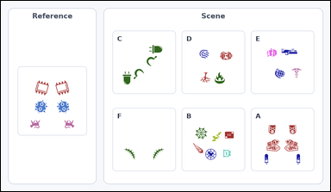 |  | task_icons_relation_mirror_symmetry | mirror_vertical | You are given an image with a Reference cell on the left and a labeled Scene grid of icon arrangements on the right. Answer this question: How many labeled Scene cells have the same mirror symmetry as the Reference cell? Mirror symmetry may be vertical, horizontal, diagonal, or across both the vertical and horizontal axes. Return a valid JSON object with keys "evidence" and "answer" in that order. Evidence: set "evidence" to a sorted JSON array of the matching Scene cell labels. Answer: set "answer" to the count as an integer. Example JSON: {"evidence":["B","E"],"answer":2} | You are given an image with a Reference cell on the left and a labeled Scene grid of icon arrangements on the right. Answer this question: How many labeled Scene cells have the same mirror symmetry as the Reference cell? Mirror symmetry may be vertical, horizontal, diagonal, or across both the vertical and horizontal axes. Return a valid JSON object with key "answer". Answer: set "answer" to the count as an integer. Example JSON: {"answer":2} | {"evidence": ["A", "F"], "answer": 2} | ["A", "F"] | integer | label_set | 899194116208327 | icons/task_icons_relation_mirror_symmetry/images/mirror_vertical/0000.png | icons/task_icons_relation_mirror_symmetry/data/mirror_vertical/0000.json
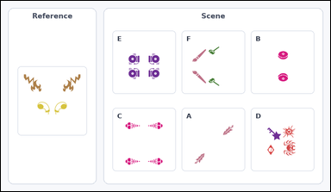 |  | task_icons_relation_mirror_symmetry | mirror_vertical | Look at the image with a Reference cell on the left and a labeled Scene grid of icon arrangements on the right. Task: How many labeled Scene cells have the same mirror symmetry as the Reference cell? Mirror symmetry may be vertical, horizontal, diagonal, or across both the vertical and horizontal axes. Return a valid JSON object with keys "evidence" and "answer" in that order. Evidence format: set "evidence" to a sorted JSON array of the matching Scene cell labels. Answer requirement: set "answer" to the count as an integer. Example JSON: {"evidence":["B","E"],"answer":2} | Look at the image with a Reference cell on the left and a labeled Scene grid of icon arrangements on the right. Task: How many labeled Scene cells have the same mirror symmetry as the Reference cell? Mirror symmetry may be vertical, horizontal, diagonal, or across both the vertical and horizontal axes. Return a valid JSON object with key "answer". Answer: set "answer" to the count as an integer. Example JSON: {"answer":2} | {"evidence": [], "answer": 0} | [] | integer | label_set | 4.8487644894E+15 | icons/task_icons_relation_mirror_symmetry/images/mirror_vertical/0002.png | icons/task_icons_relation_mirror_symmetry/data/mirror_vertical/0002.json
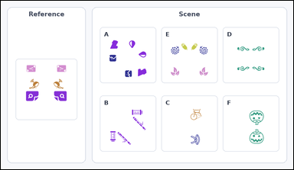 |  | task_icons_relation_mirror_symmetry | mirror_vertical | Use the image containing a Reference cell on the left and a labeled Scene grid of icon arrangements on the right. Determine the answer: How many labeled Scene cells have the same mirror symmetry as the Reference cell? Mirror symmetry may be vertical, horizontal, diagonal, or across both the vertical and horizontal axes. Return a valid JSON object with keys "evidence" and "answer" in that order. Evidence field: set "evidence" to a sorted JSON array of the matching Scene cell labels. Answer field: set "answer" to the count as an integer. Example JSON: {"evidence":["B","E"],"answer":2} | Use the image containing a Reference cell on the left and a labeled Scene grid of icon arrangements on the right. Determine the answer: How many labeled Scene cells have the same mirror symmetry as the Reference cell? Mirror symmetry may be vertical, horizontal, diagonal, or across both the vertical and horizontal axes. Return a valid JSON object with key "answer". Answer: set "answer" to the count as an integer. Example JSON: {"answer":2} | {"evidence": ["E"], "answer": 1} | ["E"] | integer | label_set | 4.9037032448E+15 | icons/task_icons_relation_mirror_symmetry/images/mirror_vertical/0004.png | icons/task_icons_relation_mirror_symmetry/data/mirror_vertical/0004.json

