same_front_to_back_order
image | evidence_image | task | task_variant | prompt | prompt_answer_only | answer | answer_evidence | answer_type | evidence_type | instance_seed | image_path | data_path
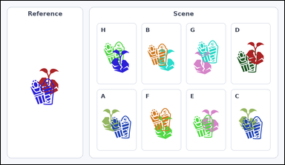 |  | task_icons_relation_occlusion_order | same_front_to_back_order | Look at the image with a Reference cell on the left and a labeled Scene grid of overlapping icon pairs on the right. Task: How many labeled Scene cells show the same front-to-back order as the Reference cell? Front-to-back order means which icon is on top. Return a valid JSON object with keys "evidence" and "answer" in that order. Evidence: set "evidence" to a sorted JSON array of the matching Scene cell labels. Answer: set "answer" to the count as an integer. Example JSON: {"evidence":["B","E","G"],"answer":3} | Look at the image with a Reference cell on the left and a labeled Scene grid of overlapping icon pairs on the right. Task: How many labeled Scene cells show the same front-to-back order as the Reference cell? Front-to-back order means which icon is on top. Return a valid JSON object with key "answer". Answer rule: set "answer" to the count as an integer. Example JSON: {"answer":3} | {"evidence": ["A", "B", "C", "E", "F", "G"], "answer": 6} | ["A", "B", "C", "E", "F", "G"] | integer | label_set | 131630683197817 | icons/task_icons_relation_occlusion_order/images/default/0023.png | icons/task_icons_relation_occlusion_order/data/default/0023.json
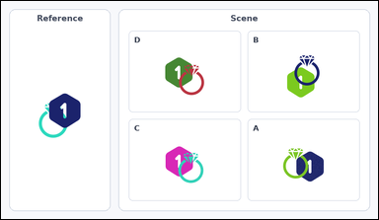 |  | task_icons_relation_occlusion_order | same_front_to_back_order | The image shows a Reference cell on the left and a labeled Scene grid of overlapping icon pairs on the right. How many labeled Scene cells show the same front-to-back order as the Reference cell? Front-to-back order means which icon is on top. Return a valid JSON object with keys "evidence" and "answer" in that order. Evidence field: set "evidence" to a sorted JSON array of the matching Scene cell labels. Answer field: set "answer" to the count as an integer. Example JSON: {"evidence":["B","E","G"],"answer":3} | The image shows a Reference cell on the left and a labeled Scene grid of overlapping icon pairs on the right. How many labeled Scene cells show the same front-to-back order as the Reference cell? Front-to-back order means which icon is on top. Return a valid JSON object with key "answer". Answer rule: set "answer" to the count as an integer. Example JSON: {"answer":3} | {"evidence": [], "answer": 0} | [] | integer | label_set | 993589928861228 | icons/task_icons_relation_occlusion_order/images/default/0017.png | icons/task_icons_relation_occlusion_order/data/default/0017.json
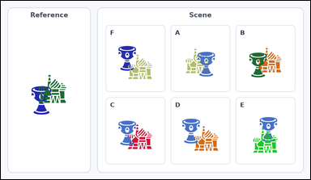 |  | task_icons_relation_occlusion_order | same_front_to_back_order | Use the image containing a Reference cell on the left and a labeled Scene grid of overlapping icon pairs on the right. How many labeled Scene cells show the same front-to-back order as the Reference cell? Front-to-back order means which icon is on top. Return a valid JSON object with keys "evidence" and "answer" in that order. Evidence field: set "evidence" to a sorted JSON array of the matching Scene cell labels. Answer field: set "answer" to the count as an integer. Example JSON: {"evidence":["B","E","G"],"answer":3} | Use the image containing a Reference cell on the left and a labeled Scene grid of overlapping icon pairs on the right. How many labeled Scene cells show the same front-to-back order as the Reference cell? Front-to-back order means which icon is on top. Return a valid JSON object with key "answer". Answer format: set "answer" to the count as an integer. Example JSON: {"answer":3} | {"evidence": ["E", "F"], "answer": 2} | ["E", "F"] | integer | label_set | 1.2521145572E+15 | icons/task_icons_relation_occlusion_order/images/default/0009.png | icons/task_icons_relation_occlusion_order/data/default/0009.json
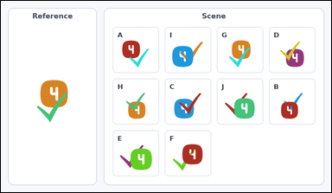 |  | task_icons_relation_occlusion_order | same_front_to_back_order | Look at the image with a Reference cell on the left and a labeled Scene grid of overlapping icon pairs on the right. Determine the answer: How many labeled Scene cells show the same front-to-back order as the Reference cell? Front-to-back order means which icon is on top. Return a valid JSON object with keys "evidence" and "answer" in that order. Evidence: set "evidence" to a sorted JSON array of the matching Scene cell labels. Answer: set "answer" to the count as an integer. Example JSON: {"evidence":["B","E","G"],"answer":3} | Look at the image with a Reference cell on the left and a labeled Scene grid of overlapping icon pairs on the right. Determine the answer: How many labeled Scene cells show the same front-to-back order as the Reference cell? Front-to-back order means which icon is on top. Return a valid JSON object with key "answer". Answer requirement: set "answer" to the count as an integer. Example JSON: {"answer":3} | {"evidence": ["A", "C", "D", "G", "H"], "answer": 5} | ["A", "C", "D", "G", "H"] | integer | label_set | 1.3863911773E+15 | icons/task_icons_relation_occlusion_order/images/default/0018.png | icons/task_icons_relation_occlusion_order/data/default/0018.json
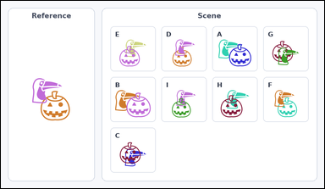 |  | task_icons_relation_occlusion_order | same_front_to_back_order | The image shows a Reference cell on the left and a labeled Scene grid of overlapping icon pairs on the right. How many labeled Scene cells show the same front-to-back order as the Reference cell? Front-to-back order means which icon is on top. Return a valid JSON object with keys "evidence" and "answer" in that order. Evidence: set "evidence" to a sorted JSON array of the matching Scene cell labels. Answer: set "answer" to the count as an integer. Example JSON: {"evidence":["B","E","G"],"answer":3} | The image shows a Reference cell on the left and a labeled Scene grid of overlapping icon pairs on the right. How many labeled Scene cells show the same front-to-back order as the Reference cell? Front-to-back order means which icon is on top. Return a valid JSON object with key "answer". Answer format: set "answer" to the count as an integer. Example JSON: {"answer":3} | {"evidence": ["D", "F", "G"], "answer": 3} | ["D", "F", "G"] | integer | label_set | 1.4746957433E+15 | icons/task_icons_relation_occlusion_order/images/default/0015.png | icons/task_icons_relation_occlusion_order/data/default/0015.json
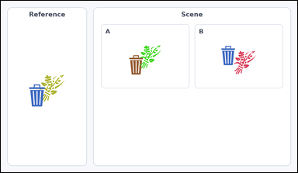 |  | task_icons_relation_occlusion_order | same_front_to_back_order | Look at the image with a Reference cell on the left and a labeled Scene grid of overlapping icon pairs on the right. Answer this question: How many labeled Scene cells show the same front-to-back order as the Reference cell? Front-to-back order means which icon is on top. Return a valid JSON object with keys "evidence" and "answer" in that order. Evidence format: set "evidence" to a sorted JSON array of the matching Scene cell labels. Answer requirement: set "answer" to the count as an integer. Example JSON: {"evidence":["B","E","G"],"answer":3} | Look at the image with a Reference cell on the left and a labeled Scene grid of overlapping icon pairs on the right. Answer this question: How many labeled Scene cells show the same front-to-back order as the Reference cell? Front-to-back order means which icon is on top. Return a valid JSON object with key "answer". Answer requirement: set "answer" to the count as an integer. Example JSON: {"answer":3} | {"evidence": ["B"], "answer": 1} | ["B"] | integer | label_set | 1.7692784667E+15 | icons/task_icons_relation_occlusion_order/images/default/0012.png | icons/task_icons_relation_occlusion_order/data/default/0012.json
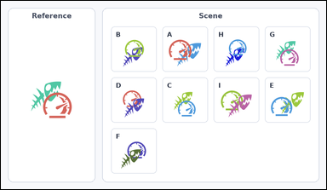 |  | task_icons_relation_occlusion_order | same_front_to_back_order | Work from the image with a Reference cell on the left and a labeled Scene grid of overlapping icon pairs on the right. Answer this question: How many labeled Scene cells show the same front-to-back order as the Reference cell? Front-to-back order means which icon is on top. Return a valid JSON object with keys "evidence" and "answer" in that order. Evidence rule: set "evidence" to a sorted JSON array of the matching Scene cell labels. Answer rule: set "answer" to the count as an integer. Example JSON: {"evidence":["B","E","G"],"answer":3} | Work from the image with a Reference cell on the left and a labeled Scene grid of overlapping icon pairs on the right. Answer this question: How many labeled Scene cells show the same front-to-back order as the Reference cell? Front-to-back order means which icon is on top. Return a valid JSON object with key "answer". Answer field: set "answer" to the count as an integer. Example JSON: {"answer":3} | {"evidence": ["A", "B", "C", "E", "G", "H"], "answer": 6} | ["A", "B", "C", "E", "G", "H"] | integer | label_set | 1.8069790246E+15 | icons/task_icons_relation_occlusion_order/images/default/0019.png | icons/task_icons_relation_occlusion_order/data/default/0019.json
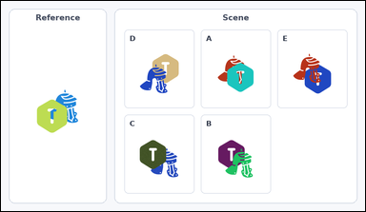 |  | task_icons_relation_occlusion_order | same_front_to_back_order | You are given an image with a Reference cell on the left and a labeled Scene grid of overlapping icon pairs on the right. Question: How many labeled Scene cells show the same front-to-back order as the Reference cell? Front-to-back order means which icon is on top. Return a valid JSON object with keys "evidence" and "answer" in that order. Evidence format: set "evidence" to a sorted JSON array of the matching Scene cell labels. Answer requirement: set "answer" to the count as an integer. Example JSON: {"evidence":["B","E","G"],"answer":3} | You are given an image with a Reference cell on the left and a labeled Scene grid of overlapping icon pairs on the right. Question: How many labeled Scene cells show the same front-to-back order as the Reference cell? Front-to-back order means which icon is on top. Return a valid JSON object with key "answer". Answer requirement: set "answer" to the count as an integer. Example JSON: {"answer":3} | {"evidence": ["A", "C"], "answer": 2} | ["A", "C"] | integer | label_set | 1.9334162824E+15 | icons/task_icons_relation_occlusion_order/images/default/0007.png | icons/task_icons_relation_occlusion_order/data/default/0007.json
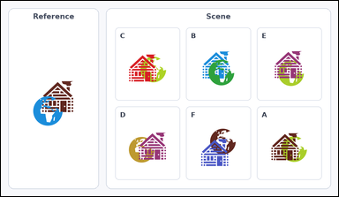 |  | task_icons_relation_occlusion_order | same_front_to_back_order | Use the image containing a Reference cell on the left and a labeled Scene grid of overlapping icon pairs on the right. Task: How many labeled Scene cells show the same front-to-back order as the Reference cell? Front-to-back order means which icon is on top. Return a valid JSON object with keys "evidence" and "answer" in that order. Evidence requirement: set "evidence" to a sorted JSON array of the matching Scene cell labels. Answer format: set "answer" to the count as an integer. Example JSON: {"evidence":["B","E","G"],"answer":3} | Use the image containing a Reference cell on the left and a labeled Scene grid of overlapping icon pairs on the right. Task: How many labeled Scene cells show the same front-to-back order as the Reference cell? Front-to-back order means which icon is on top. Return a valid JSON object with key "answer". Answer: set "answer" to the count as an integer. Example JSON: {"answer":3} | {"evidence": ["B"], "answer": 1} | ["B"] | integer | label_set | 2.2674315535E+15 | icons/task_icons_relation_occlusion_order/images/default/0003.png | icons/task_icons_relation_occlusion_order/data/default/0003.json
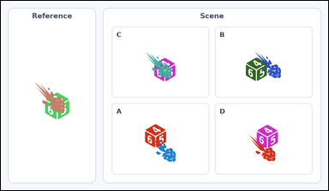 |  | task_icons_relation_occlusion_order | same_front_to_back_order | Look at the image with a Reference cell on the left and a labeled Scene grid of overlapping icon pairs on the right. Task: How many labeled Scene cells show the same front-to-back order as the Reference cell? Front-to-back order means which icon is on top. Return a valid JSON object with keys "evidence" and "answer" in that order. Evidence requirement: set "evidence" to a sorted JSON array of the matching Scene cell labels. Answer format: set "answer" to the count as an integer. Example JSON: {"evidence":["B","E","G"],"answer":3} | Look at the image with a Reference cell on the left and a labeled Scene grid of overlapping icon pairs on the right. Task: How many labeled Scene cells show the same front-to-back order as the Reference cell? Front-to-back order means which icon is on top. Return a valid JSON object with key "answer". Answer requirement: set "answer" to the count as an integer. Example JSON: {"answer":3} | {"evidence": ["C"], "answer": 1} | ["C"] | integer | label_set | 2.3095710234E+15 | icons/task_icons_relation_occlusion_order/images/default/0008.png | icons/task_icons_relation_occlusion_order/data/default/0008.json
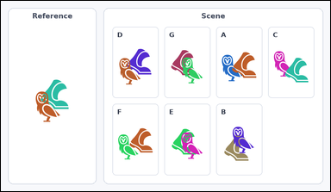 |  | task_icons_relation_occlusion_order | same_front_to_back_order | Use the image containing a Reference cell on the left and a labeled Scene grid of overlapping icon pairs on the right. Question: How many labeled Scene cells show the same front-to-back order as the Reference cell? Front-to-back order means which icon is on top. Return a valid JSON object with keys "evidence" and "answer" in that order. Evidence format: set "evidence" to a sorted JSON array of the matching Scene cell labels. Answer requirement: set "answer" to the count as an integer. Example JSON: {"evidence":["B","E","G"],"answer":3} | Use the image containing a Reference cell on the left and a labeled Scene grid of overlapping icon pairs on the right. Question: How many labeled Scene cells show the same front-to-back order as the Reference cell? Front-to-back order means which icon is on top. Return a valid JSON object with key "answer". Answer format: set "answer" to the count as an integer. Example JSON: {"answer":3} | {"evidence": ["B", "D", "E", "G"], "answer": 4} | ["B", "D", "E", "G"] | integer | label_set | 2.7465250361E+15 | icons/task_icons_relation_occlusion_order/images/default/0011.png | icons/task_icons_relation_occlusion_order/data/default/0011.json
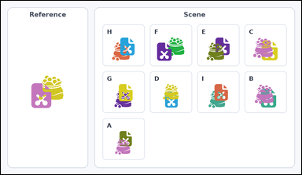 |  | task_icons_relation_occlusion_order | same_front_to_back_order | Work from the image with a Reference cell on the left and a labeled Scene grid of overlapping icon pairs on the right. Question: How many labeled Scene cells show the same front-to-back order as the Reference cell? Front-to-back order means which icon is on top. Return a valid JSON object with keys "evidence" and "answer" in that order. Evidence format: set "evidence" to a sorted JSON array of the matching Scene cell labels. Answer requirement: set "answer" to the count as an integer. Example JSON: {"evidence":["B","E","G"],"answer":3} | Work from the image with a Reference cell on the left and a labeled Scene grid of overlapping icon pairs on the right. Question: How many labeled Scene cells show the same front-to-back order as the Reference cell? Front-to-back order means which icon is on top. Return a valid JSON object with key "answer". Answer: set "answer" to the count as an integer. Example JSON: {"answer":3} | {"evidence": ["F", "G", "H", "I"], "answer": 4} | ["F", "G", "H", "I"] | integer | label_set | 2.8631337973E+15 | icons/task_icons_relation_occlusion_order/images/default/0022.png | icons/task_icons_relation_occlusion_order/data/default/0022.json
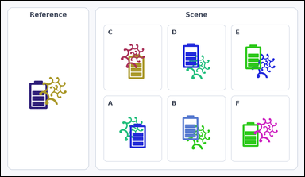 |  | task_icons_relation_occlusion_order | same_front_to_back_order | Use the image containing a Reference cell on the left and a labeled Scene grid of overlapping icon pairs on the right. Answer this question: How many labeled Scene cells show the same front-to-back order as the Reference cell? Front-to-back order means which icon is on top. Return a valid JSON object with keys "evidence" and "answer" in that order. Evidence rule: set "evidence" to a sorted JSON array of the matching Scene cell labels. Answer rule: set "answer" to the count as an integer. Example JSON: {"evidence":["B","E","G"],"answer":3} | Use the image containing a Reference cell on the left and a labeled Scene grid of overlapping icon pairs on the right. Answer this question: How many labeled Scene cells show the same front-to-back order as the Reference cell? Front-to-back order means which icon is on top. Return a valid JSON object with key "answer". Answer: set "answer" to the count as an integer. Example JSON: {"answer":3} | {"evidence": ["C", "F"], "answer": 2} | ["C", "F"] | integer | label_set | 2.9301857763E+15 | icons/task_icons_relation_occlusion_order/images/default/0006.png | icons/task_icons_relation_occlusion_order/data/default/0006.json
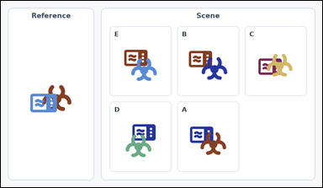 |  | task_icons_relation_occlusion_order | same_front_to_back_order | The image shows a Reference cell on the left and a labeled Scene grid of overlapping icon pairs on the right. Answer this question: How many labeled Scene cells show the same front-to-back order as the Reference cell? Front-to-back order means which icon is on top. Return a valid JSON object with keys "evidence" and "answer" in that order. Evidence format: set "evidence" to a sorted JSON array of the matching Scene cell labels. Answer requirement: set "answer" to the count as an integer. Example JSON: {"evidence":["B","E","G"],"answer":3} | The image shows a Reference cell on the left and a labeled Scene grid of overlapping icon pairs on the right. Answer this question: How many labeled Scene cells show the same front-to-back order as the Reference cell? Front-to-back order means which icon is on top. Return a valid JSON object with key "answer". Answer: set "answer" to the count as an integer. Example JSON: {"answer":3} | {"evidence": [], "answer": 0} | [] | integer | label_set | 2.9634340263E+15 | icons/task_icons_relation_occlusion_order/images/default/0010.png | icons/task_icons_relation_occlusion_order/data/default/0010.json
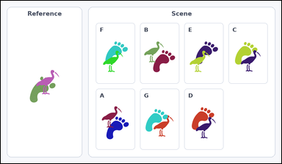 |  | task_icons_relation_occlusion_order | same_front_to_back_order | Use the image containing a Reference cell on the left and a labeled Scene grid of overlapping icon pairs on the right. Task: How many labeled Scene cells show the same front-to-back order as the Reference cell? Front-to-back order means which icon is on top. Return a valid JSON object with keys "evidence" and "answer" in that order. Evidence requirement: set "evidence" to a sorted JSON array of the matching Scene cell labels. Answer format: set "answer" to the count as an integer. Example JSON: {"evidence":["B","E","G"],"answer":3} | Use the image containing a Reference cell on the left and a labeled Scene grid of overlapping icon pairs on the right. Task: How many labeled Scene cells show the same front-to-back order as the Reference cell? Front-to-back order means which icon is on top. Return a valid JSON object with key "answer". Answer requirement: set "answer" to the count as an integer. Example JSON: {"answer":3} | {"evidence": ["A", "B", "C", "D", "E", "F"], "answer": 6} | ["A", "B", "C", "D", "E", "F"] | integer | label_set | 3.2096132848E+15 | icons/task_icons_relation_occlusion_order/images/default/0020.png | icons/task_icons_relation_occlusion_order/data/default/0020.json
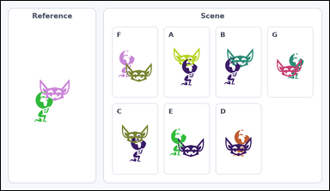 |  | task_icons_relation_occlusion_order | same_front_to_back_order | Use the image containing a Reference cell on the left and a labeled Scene grid of overlapping icon pairs on the right. Task: How many labeled Scene cells show the same front-to-back order as the Reference cell? Front-to-back order means which icon is on top. Return a valid JSON object with keys "evidence" and "answer" in that order. Evidence: set "evidence" to a sorted JSON array of the matching Scene cell labels. Answer: set "answer" to the count as an integer. Example JSON: {"evidence":["B","E","G"],"answer":3} | Use the image containing a Reference cell on the left and a labeled Scene grid of overlapping icon pairs on the right. Task: How many labeled Scene cells show the same front-to-back order as the Reference cell? Front-to-back order means which icon is on top. Return a valid JSON object with key "answer". Answer requirement: set "answer" to the count as an integer. Example JSON: {"answer":3} | {"evidence": ["A", "B", "E"], "answer": 3} | ["A", "B", "E"] | integer | label_set | 3.6905588593E+15 | icons/task_icons_relation_occlusion_order/images/default/0013.png | icons/task_icons_relation_occlusion_order/data/default/0013.json
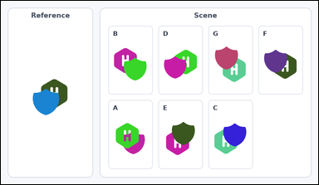 |  | task_icons_relation_occlusion_order | same_front_to_back_order | Use the image containing a Reference cell on the left and a labeled Scene grid of overlapping icon pairs on the right. Answer this question: How many labeled Scene cells show the same front-to-back order as the Reference cell? Front-to-back order means which icon is on top. Return a valid JSON object with keys "evidence" and "answer" in that order. Evidence rule: set "evidence" to a sorted JSON array of the matching Scene cell labels. Answer rule: set "answer" to the count as an integer. Example JSON: {"evidence":["B","E","G"],"answer":3} | Use the image containing a Reference cell on the left and a labeled Scene grid of overlapping icon pairs on the right. Answer this question: How many labeled Scene cells show the same front-to-back order as the Reference cell? Front-to-back order means which icon is on top. Return a valid JSON object with key "answer". Answer: set "answer" to the count as an integer. Example JSON: {"answer":3} | {"evidence": ["B", "C", "D", "E", "F", "G"], "answer": 6} | ["B", "C", "D", "E", "F", "G"] | integer | label_set | 4.3764836342E+15 | icons/task_icons_relation_occlusion_order/images/default/0002.png | icons/task_icons_relation_occlusion_order/data/default/0002.json
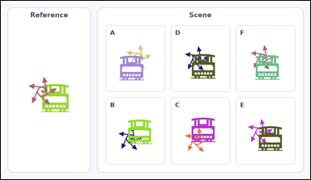 |  | task_icons_relation_occlusion_order | same_front_to_back_order | Work from the image with a Reference cell on the left and a labeled Scene grid of overlapping icon pairs on the right. Determine the answer: How many labeled Scene cells show the same front-to-back order as the Reference cell? Front-to-back order means which icon is on top. Return a valid JSON object with keys "evidence" and "answer" in that order. Evidence requirement: set "evidence" to a sorted JSON array of the matching Scene cell labels. Answer format: set "answer" to the count as an integer. Example JSON: {"evidence":["B","E","G"],"answer":3} | Work from the image with a Reference cell on the left and a labeled Scene grid of overlapping icon pairs on the right. Determine the answer: How many labeled Scene cells show the same front-to-back order as the Reference cell? Front-to-back order means which icon is on top. Return a valid JSON object with key "answer". Answer requirement: set "answer" to the count as an integer. Example JSON: {"answer":3} | {"evidence": [], "answer": 0} | [] | integer | label_set | 4.9512217847E+15 | icons/task_icons_relation_occlusion_order/images/default/0005.png | icons/task_icons_relation_occlusion_order/data/default/0005.json
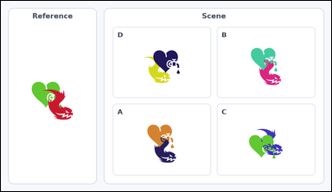 |  | task_icons_relation_occlusion_order | same_front_to_back_order | Use the image containing a Reference cell on the left and a labeled Scene grid of overlapping icon pairs on the right. Determine the answer: How many labeled Scene cells show the same front-to-back order as the Reference cell? Front-to-back order means which icon is on top. Return a valid JSON object with keys "evidence" and "answer" in that order. Evidence requirement: set "evidence" to a sorted JSON array of the matching Scene cell labels. Answer format: set "answer" to the count as an integer. Example JSON: {"evidence":["B","E","G"],"answer":3} | Use the image containing a Reference cell on the left and a labeled Scene grid of overlapping icon pairs on the right. Determine the answer: How many labeled Scene cells show the same front-to-back order as the Reference cell? Front-to-back order means which icon is on top. Return a valid JSON object with key "answer". Answer field: set "answer" to the count as an integer. Example JSON: {"answer":3} | {"evidence": [], "answer": 0} | [] | integer | label_set | 4.9564749718E+15 | icons/task_icons_relation_occlusion_order/images/default/0000.png | icons/task_icons_relation_occlusion_order/data/default/0000.json
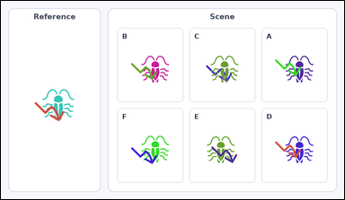 |  | task_icons_relation_occlusion_order | same_front_to_back_order | The image shows a Reference cell on the left and a labeled Scene grid of overlapping icon pairs on the right. Question: How many labeled Scene cells show the same front-to-back order as the Reference cell? Front-to-back order means which icon is on top. Return a valid JSON object with keys "evidence" and "answer" in that order. Evidence field: set "evidence" to a sorted JSON array of the matching Scene cell labels. Answer field: set "answer" to the count as an integer. Example JSON: {"evidence":["B","E","G"],"answer":3} | The image shows a Reference cell on the left and a labeled Scene grid of overlapping icon pairs on the right. Question: How many labeled Scene cells show the same front-to-back order as the Reference cell? Front-to-back order means which icon is on top. Return a valid JSON object with key "answer". Answer field: set "answer" to the count as an integer. Example JSON: {"answer":3} | {"evidence": ["A", "B", "D", "E", "F"], "answer": 5} | ["A", "B", "D", "E", "F"] | integer | label_set | 5.1100523613E+15 | icons/task_icons_relation_occlusion_order/images/default/0004.png | icons/task_icons_relation_occlusion_order/data/default/0004.json
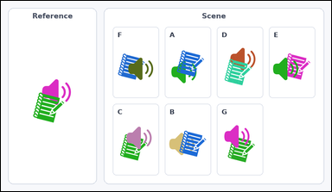 |  | task_icons_relation_occlusion_order | same_front_to_back_order | You are given an image with a Reference cell on the left and a labeled Scene grid of overlapping icon pairs on the right. Answer this question: How many labeled Scene cells show the same front-to-back order as the Reference cell? Front-to-back order means which icon is on top. Return a valid JSON object with keys "evidence" and "answer" in that order. Evidence field: set "evidence" to a sorted JSON array of the matching Scene cell labels. Answer field: set "answer" to the count as an integer. Example JSON: {"evidence":["B","E","G"],"answer":3} | You are given an image with a Reference cell on the left and a labeled Scene grid of overlapping icon pairs on the right. Answer this question: How many labeled Scene cells show the same front-to-back order as the Reference cell? Front-to-back order means which icon is on top. Return a valid JSON object with key "answer". Answer format: set "answer" to the count as an integer. Example JSON: {"answer":3} | {"evidence": ["A", "B", "D"], "answer": 3} | ["A", "B", "D"] | integer | label_set | 5.1406154347E+15 | icons/task_icons_relation_occlusion_order/images/default/0001.png | icons/task_icons_relation_occlusion_order/data/default/0001.json
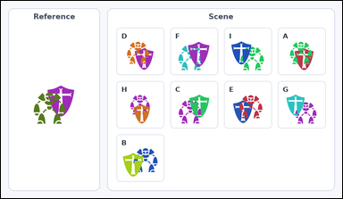 |  | task_icons_relation_occlusion_order | same_front_to_back_order | You are given an image with a Reference cell on the left and a labeled Scene grid of overlapping icon pairs on the right. Question: How many labeled Scene cells show the same front-to-back order as the Reference cell? Front-to-back order means which icon is on top. Return a valid JSON object with keys "evidence" and "answer" in that order. Evidence: set "evidence" to a sorted JSON array of the matching Scene cell labels. Answer: set "answer" to the count as an integer. Example JSON: {"evidence":["B","E","G"],"answer":3} | You are given an image with a Reference cell on the left and a labeled Scene grid of overlapping icon pairs on the right. Question: How many labeled Scene cells show the same front-to-back order as the Reference cell? Front-to-back order means which icon is on top. Return a valid JSON object with key "answer". Answer rule: set "answer" to the count as an integer. Example JSON: {"answer":3} | {"evidence": ["A", "D", "E"], "answer": 3} | ["A", "D", "E"] | integer | label_set | 6.6907746194E+15 | icons/task_icons_relation_occlusion_order/images/default/0016.png | icons/task_icons_relation_occlusion_order/data/default/0016.json
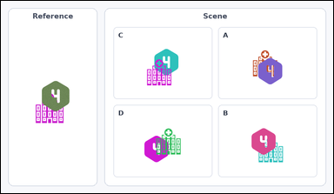 |  | task_icons_relation_occlusion_order | same_front_to_back_order | Look at the image with a Reference cell on the left and a labeled Scene grid of overlapping icon pairs on the right. Answer this question: How many labeled Scene cells show the same front-to-back order as the Reference cell? Front-to-back order means which icon is on top. Return a valid JSON object with keys "evidence" and "answer" in that order. Evidence rule: set "evidence" to a sorted JSON array of the matching Scene cell labels. Answer rule: set "answer" to the count as an integer. Example JSON: {"evidence":["B","E","G"],"answer":3} | Look at the image with a Reference cell on the left and a labeled Scene grid of overlapping icon pairs on the right. Answer this question: How many labeled Scene cells show the same front-to-back order as the Reference cell? Front-to-back order means which icon is on top. Return a valid JSON object with key "answer". Answer field: set "answer" to the count as an integer. Example JSON: {"answer":3} | {"evidence": ["A", "B"], "answer": 2} | ["A", "B"] | integer | label_set | 7.4071909313E+15 | icons/task_icons_relation_occlusion_order/images/default/0024.png | icons/task_icons_relation_occlusion_order/data/default/0024.json
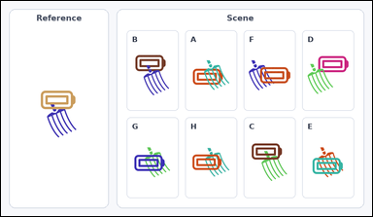 |  | task_icons_relation_occlusion_order | same_front_to_back_order | Work from the image with a Reference cell on the left and a labeled Scene grid of overlapping icon pairs on the right. How many labeled Scene cells show the same front-to-back order as the Reference cell? Front-to-back order means which icon is on top. Return a valid JSON object with keys "evidence" and "answer" in that order. Evidence format: set "evidence" to a sorted JSON array of the matching Scene cell labels. Answer requirement: set "answer" to the count as an integer. Example JSON: {"evidence":["B","E","G"],"answer":3} | Work from the image with a Reference cell on the left and a labeled Scene grid of overlapping icon pairs on the right. How many labeled Scene cells show the same front-to-back order as the Reference cell? Front-to-back order means which icon is on top. Return a valid JSON object with key "answer". Answer requirement: set "answer" to the count as an integer. Example JSON: {"answer":3} | {"evidence": ["C", "E", "F", "G", "H"], "answer": 5} | ["C", "E", "F", "G", "H"] | integer | label_set | 8.3743303903E+15 | icons/task_icons_relation_occlusion_order/images/default/0021.png | icons/task_icons_relation_occlusion_order/data/default/0021.json
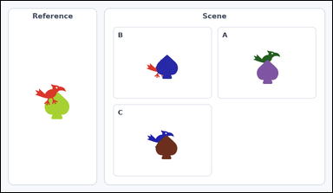 |  | task_icons_relation_occlusion_order | same_front_to_back_order | You are given an image with a Reference cell on the left and a labeled Scene grid of overlapping icon pairs on the right. How many labeled Scene cells show the same front-to-back order as the Reference cell? Front-to-back order means which icon is on top. Return a valid JSON object with keys "evidence" and "answer" in that order. Evidence: set "evidence" to a sorted JSON array of the matching Scene cell labels. Answer: set "answer" to the count as an integer. Example JSON: {"evidence":["B","E","G"],"answer":3} | You are given an image with a Reference cell on the left and a labeled Scene grid of overlapping icon pairs on the right. How many labeled Scene cells show the same front-to-back order as the Reference cell? Front-to-back order means which icon is on top. Return a valid JSON object with key "answer". Answer field: set "answer" to the count as an integer. Example JSON: {"answer":3} | {"evidence": [], "answer": 0} | [] | integer | label_set | 8.9524721845E+15 | icons/task_icons_relation_occlusion_order/images/default/0014.png | icons/task_icons_relation_occlusion_order/data/default/0014.json

