arithmetic_progression
image | evidence_image | task | task_variant | prompt | prompt_answer_only | answer | answer_evidence | answer_type | evidence_type | instance_seed | image_path | data_path
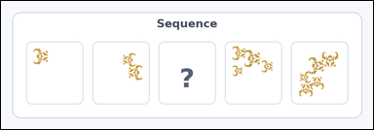 | 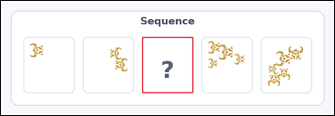 | task_icons_sequence_missing_count | arithmetic_progression | Use the image containing a horizontal row of Scene boxes, where one box is missing and marked with a question mark. Answer this question: How many icons should be in the missing box to continue the sequence? Return a valid JSON object with keys "evidence" and "answer" in that order. Evidence requirement: set "evidence" to a JSON array containing exactly one [x_min, y_min, x_max, y_max] box in image pixel coordinates for the missing Scene box. Answer format: set "answer" to the missing count as an integer. Example JSON: {"evidence":[[540,126,654,458]],"answer":5} | Use the image containing a horizontal row of Scene boxes, where one box is missing and marked with a question mark. Answer this question: How many icons should be in the missing box to continue the sequence? Return a valid JSON object with key "answer". Answer: set "answer" to the missing count as an integer. Example JSON: {"answer":5} | {"evidence": [[338, 87, 460, 222]], "answer": 3} | [[338, 87, 460, 222]] | integer | bbox_set | 247392413963473 | icons/task_icons_sequence_missing_count/images/default/0019.png | icons/task_icons_sequence_missing_count/data/default/0019.json
 |  | task_icons_sequence_missing_count | arithmetic_progression | Use the image containing a horizontal row of Scene boxes, where one box is missing and marked with a question mark. Question: How many icons should be in the missing box to continue the sequence? Return a valid JSON object with keys "evidence" and "answer" in that order. Evidence field: set "evidence" to a JSON array containing exactly one [x_min, y_min, x_max, y_max] box in image pixel coordinates for the missing Scene box. Answer field: set "answer" to the missing count as an integer. Example JSON: {"evidence":[[540,126,654,458]],"answer":5} | Use the image containing a horizontal row of Scene boxes, where one box is missing and marked with a question mark. Question: How many icons should be in the missing box to continue the sequence? Return a valid JSON object with key "answer". Answer: set "answer" to the missing count as an integer. Example JSON: {"answer":5} | {"evidence": [[54, 87, 182, 213]], "answer": 3} | [[54, 87, 182, 213]] | integer | bbox_set | 338667822614468 | icons/task_icons_sequence_missing_count/images/default/0017.png | icons/task_icons_sequence_missing_count/data/default/0017.json
 |  | task_icons_sequence_missing_count | arithmetic_progression | Work from the image with a horizontal row of Scene boxes, where one box is missing and marked with a question mark. How many icons should be in the missing box to continue the sequence? Return a valid JSON object with keys "evidence" and "answer" in that order. Evidence format: set "evidence" to a JSON array containing exactly one [x_min, y_min, x_max, y_max] box in image pixel coordinates for the missing Scene box. Answer requirement: set "answer" to the missing count as an integer. Example JSON: {"evidence":[[540,126,654,458]],"answer":5} | Work from the image with a horizontal row of Scene boxes, where one box is missing and marked with a question mark. How many icons should be in the missing box to continue the sequence? Return a valid JSON object with key "answer". Answer format: set "answer" to the missing count as an integer. Example JSON: {"answer":5} | {"evidence": [[570, 87, 722, 193]], "answer": 3} | [[570, 87, 722, 193]] | integer | bbox_set | 943524197792663 | icons/task_icons_sequence_missing_count/images/default/0005.png | icons/task_icons_sequence_missing_count/data/default/0005.json
 |  | task_icons_sequence_missing_count | arithmetic_progression | Use the image containing a horizontal row of Scene boxes, where one box is missing and marked with a question mark. Determine the answer: How many icons should be in the missing box to continue the sequence? Return a valid JSON object with keys "evidence" and "answer" in that order. Evidence field: set "evidence" to a JSON array containing exactly one [x_min, y_min, x_max, y_max] box in image pixel coordinates for the missing Scene box. Answer field: set "answer" to the missing count as an integer. Example JSON: {"evidence":[[540,126,654,458]],"answer":5} | Use the image containing a horizontal row of Scene boxes, where one box is missing and marked with a question mark. Determine the answer: How many icons should be in the missing box to continue the sequence? Return a valid JSON object with key "answer". Answer field: set "answer" to the missing count as an integer. Example JSON: {"answer":5} | {"evidence": [[384, 87, 529, 191]], "answer": 3} | [[384, 87, 529, 191]] | integer | bbox_set | 1.3205802507E+15 | icons/task_icons_sequence_missing_count/images/default/0014.png | icons/task_icons_sequence_missing_count/data/default/0014.json
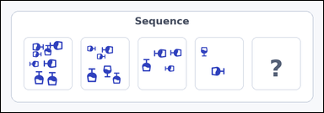 | 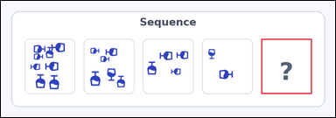 | task_icons_sequence_missing_count | arithmetic_progression | The image shows a horizontal row of Scene boxes, where one box is missing and marked with a question mark. Answer this question: How many icons should be in the missing box to continue the sequence? Return a valid JSON object with keys "evidence" and "answer" in that order. Evidence: set "evidence" to a JSON array containing exactly one [x_min, y_min, x_max, y_max] box in image pixel coordinates for the missing Scene box. Answer: set "answer" to the missing count as an integer. Example JSON: {"evidence":[[540,126,654,458]],"answer":5} | The image shows a horizontal row of Scene boxes, where one box is missing and marked with a question mark. Answer this question: How many icons should be in the missing box to continue the sequence? Return a valid JSON object with key "answer". Answer: set "answer" to the missing count as an integer. Example JSON: {"answer":5} | {"evidence": [[598, 87, 714, 214]], "answer": 0} | [[598, 87, 714, 214]] | integer | bbox_set | 1.805609324E+15 | icons/task_icons_sequence_missing_count/images/default/0016.png | icons/task_icons_sequence_missing_count/data/default/0016.json
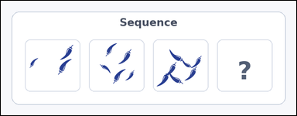 | 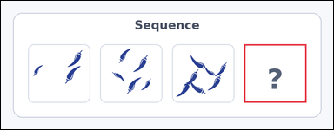 | task_icons_sequence_missing_count | arithmetic_progression | Work from the image with a horizontal row of Scene boxes, where one box is missing and marked with a question mark. How many icons should be in the missing box to continue the sequence? Return a valid JSON object with keys "evidence" and "answer" in that order. Evidence rule: set "evidence" to a JSON array containing exactly one [x_min, y_min, x_max, y_max] box in image pixel coordinates for the missing Scene box. Answer rule: set "answer" to the missing count as an integer. Example JSON: {"evidence":[[540,126,654,458]],"answer":5} | Work from the image with a horizontal row of Scene boxes, where one box is missing and marked with a question mark. How many icons should be in the missing box to continue the sequence? Return a valid JSON object with key "answer". Answer rule: set "answer" to the missing count as an integer. Example JSON: {"answer":5} | {"evidence": [[486, 87, 610, 204]], "answer": 9} | [[486, 87, 610, 204]] | integer | bbox_set | 1.8436102207E+15 | icons/task_icons_sequence_missing_count/images/default/0020.png | icons/task_icons_sequence_missing_count/data/default/0020.json
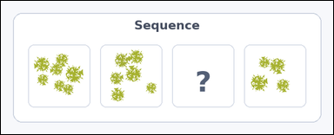 | 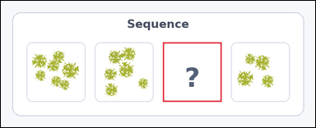 | task_icons_sequence_missing_count | arithmetic_progression | You are given an image with a horizontal row of Scene boxes, where one box is missing and marked with a question mark. Question: How many icons should be in the missing box to continue the sequence? Return a valid JSON object with keys "evidence" and "answer" in that order. Evidence format: set "evidence" to a JSON array containing exactly one [x_min, y_min, x_max, y_max] box in image pixel coordinates for the missing Scene box. Answer requirement: set "answer" to the missing count as an integer. Example JSON: {"evidence":[[540,126,654,458]],"answer":5} | You are given an image with a horizontal row of Scene boxes, where one box is missing and marked with a question mark. Question: How many icons should be in the missing box to continue the sequence? Return a valid JSON object with key "answer". Answer: set "answer" to the missing count as an integer. Example JSON: {"answer":5} | {"evidence": [[340, 87, 463, 212]], "answer": 5} | [[340, 87, 463, 212]] | integer | bbox_set | 2.2644998832E+15 | icons/task_icons_sequence_missing_count/images/default/0018.png | icons/task_icons_sequence_missing_count/data/default/0018.json
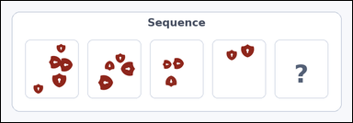 | 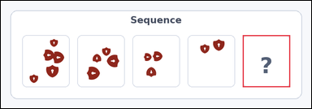 | task_icons_sequence_missing_count | arithmetic_progression | The image shows a horizontal row of Scene boxes, where one box is missing and marked with a question mark. How many icons should be in the missing box to continue the sequence? Return a valid JSON object with keys "evidence" and "answer" in that order. Evidence field: set "evidence" to a JSON array containing exactly one [x_min, y_min, x_max, y_max] box in image pixel coordinates for the missing Scene box. Answer field: set "answer" to the missing count as an integer. Example JSON: {"evidence":[[540,126,654,458]],"answer":5} | The image shows a horizontal row of Scene boxes, where one box is missing and marked with a question mark. How many icons should be in the missing box to continue the sequence? Return a valid JSON object with key "answer". Answer field: set "answer" to the missing count as an integer. Example JSON: {"answer":5} | {"evidence": [[614, 87, 734, 219]], "answer": 1} | [[614, 87, 734, 219]] | integer | bbox_set | 2.319551989E+15 | icons/task_icons_sequence_missing_count/images/default/0003.png | icons/task_icons_sequence_missing_count/data/default/0003.json
 |  | task_icons_sequence_missing_count | arithmetic_progression | Look at the image with a horizontal row of Scene boxes, where one box is missing and marked with a question mark. Answer this question: How many icons should be in the missing box to continue the sequence? Return a valid JSON object with keys "evidence" and "answer" in that order. Evidence requirement: set "evidence" to a JSON array containing exactly one [x_min, y_min, x_max, y_max] box in image pixel coordinates for the missing Scene box. Answer format: set "answer" to the missing count as an integer. Example JSON: {"evidence":[[540,126,654,458]],"answer":5} | Look at the image with a horizontal row of Scene boxes, where one box is missing and marked with a question mark. Answer this question: How many icons should be in the missing box to continue the sequence? Return a valid JSON object with key "answer". Answer: set "answer" to the missing count as an integer. Example JSON: {"answer":5} | {"evidence": [[779, 87, 904, 183]], "answer": 8} | [[779, 87, 904, 183]] | integer | bbox_set | 2.4833667296E+15 | icons/task_icons_sequence_missing_count/images/default/0013.png | icons/task_icons_sequence_missing_count/data/default/0013.json
 |  | task_icons_sequence_missing_count | arithmetic_progression | You are given an image with a horizontal row of Scene boxes, where one box is missing and marked with a question mark. Task: How many icons should be in the missing box to continue the sequence? Return a valid JSON object with keys "evidence" and "answer" in that order. Evidence field: set "evidence" to a JSON array containing exactly one [x_min, y_min, x_max, y_max] box in image pixel coordinates for the missing Scene box. Answer field: set "answer" to the missing count as an integer. Example JSON: {"evidence":[[540,126,654,458]],"answer":5} | You are given an image with a horizontal row of Scene boxes, where one box is missing and marked with a question mark. Task: How many icons should be in the missing box to continue the sequence? Return a valid JSON object with key "answer". Answer rule: set "answer" to the missing count as an integer. Example JSON: {"answer":5} | {"evidence": [[54, 87, 213, 185]], "answer": 8} | [[54, 87, 213, 185]] | integer | bbox_set | 3.2535657602E+15 | icons/task_icons_sequence_missing_count/images/default/0015.png | icons/task_icons_sequence_missing_count/data/default/0015.json
 |  | task_icons_sequence_missing_count | arithmetic_progression | You are given an image with a horizontal row of Scene boxes, where one box is missing and marked with a question mark. Question: How many icons should be in the missing box to continue the sequence? Return a valid JSON object with keys "evidence" and "answer" in that order. Evidence field: set "evidence" to a JSON array containing exactly one [x_min, y_min, x_max, y_max] box in image pixel coordinates for the missing Scene box. Answer field: set "answer" to the missing count as an integer. Example JSON: {"evidence":[[540,126,654,458]],"answer":5} | You are given an image with a horizontal row of Scene boxes, where one box is missing and marked with a question mark. Question: How many icons should be in the missing box to continue the sequence? Return a valid JSON object with key "answer". Answer field: set "answer" to the missing count as an integer. Example JSON: {"answer":5} | {"evidence": [[829, 87, 964, 220]], "answer": 8} | [[829, 87, 964, 220]] | integer | bbox_set | 3.2613471962E+15 | icons/task_icons_sequence_missing_count/images/default/0009.png | icons/task_icons_sequence_missing_count/data/default/0009.json
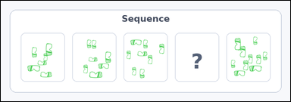 | 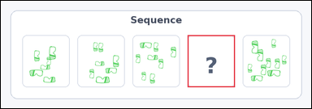 | task_icons_sequence_missing_count | arithmetic_progression | The image shows a horizontal row of Scene boxes, where one box is missing and marked with a question mark. Answer this question: How many icons should be in the missing box to continue the sequence? Return a valid JSON object with keys "evidence" and "answer" in that order. Evidence format: set "evidence" to a JSON array containing exactly one [x_min, y_min, x_max, y_max] box in image pixel coordinates for the missing Scene box. Answer requirement: set "answer" to the missing count as an integer. Example JSON: {"evidence":[[540,126,654,458]],"answer":5} | The image shows a horizontal row of Scene boxes, where one box is missing and marked with a question mark. Answer this question: How many icons should be in the missing box to continue the sequence? Return a valid JSON object with key "answer". Answer rule: set "answer" to the missing count as an integer. Example JSON: {"answer":5} | {"evidence": [[471, 87, 590, 219]], "answer": 9} | [[471, 87, 590, 219]] | integer | bbox_set | 3.3294678694E+15 | icons/task_icons_sequence_missing_count/images/default/0000.png | icons/task_icons_sequence_missing_count/data/default/0000.json
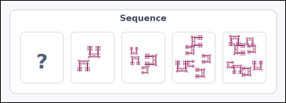 | 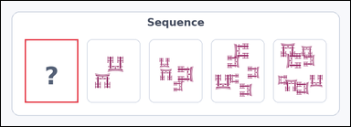 | task_icons_sequence_missing_count | arithmetic_progression | Look at the image with a horizontal row of Scene boxes, where one box is missing and marked with a question mark. Task: How many icons should be in the missing box to continue the sequence? Return a valid JSON object with keys "evidence" and "answer" in that order. Evidence field: set "evidence" to a JSON array containing exactly one [x_min, y_min, x_max, y_max] box in image pixel coordinates for the missing Scene box. Answer field: set "answer" to the missing count as an integer. Example JSON: {"evidence":[[540,126,654,458]],"answer":5} | Look at the image with a horizontal row of Scene boxes, where one box is missing and marked with a question mark. Task: How many icons should be in the missing box to continue the sequence? Return a valid JSON object with key "answer". Answer requirement: set "answer" to the missing count as an integer. Example JSON: {"answer":5} | {"evidence": [[54, 87, 175, 231]], "answer": 0} | [[54, 87, 175, 231]] | integer | bbox_set | 3.5626789985E+15 | icons/task_icons_sequence_missing_count/images/default/0006.png | icons/task_icons_sequence_missing_count/data/default/0006.json
 |  | task_icons_sequence_missing_count | arithmetic_progression | The image shows a horizontal row of Scene boxes, where one box is missing and marked with a question mark. How many icons should be in the missing box to continue the sequence? Return a valid JSON object with keys "evidence" and "answer" in that order. Evidence format: set "evidence" to a JSON array containing exactly one [x_min, y_min, x_max, y_max] box in image pixel coordinates for the missing Scene box. Answer requirement: set "answer" to the missing count as an integer. Example JSON: {"evidence":[[540,126,654,458]],"answer":5} | The image shows a horizontal row of Scene boxes, where one box is missing and marked with a question mark. How many icons should be in the missing box to continue the sequence? Return a valid JSON object with key "answer". Answer format: set "answer" to the missing count as an integer. Example JSON: {"answer":5} | {"evidence": [[392, 87, 541, 204]], "answer": 2} | [[392, 87, 541, 204]] | integer | bbox_set | 4.3751143154E+15 | icons/task_icons_sequence_missing_count/images/default/0023.png | icons/task_icons_sequence_missing_count/data/default/0023.json
 |  | task_icons_sequence_missing_count | arithmetic_progression | Look at the image with a horizontal row of Scene boxes, where one box is missing and marked with a question mark. How many icons should be in the missing box to continue the sequence? Return a valid JSON object with keys "evidence" and "answer" in that order. Evidence field: set "evidence" to a JSON array containing exactly one [x_min, y_min, x_max, y_max] box in image pixel coordinates for the missing Scene box. Answer field: set "answer" to the missing count as an integer. Example JSON: {"evidence":[[540,126,654,458]],"answer":5} | Look at the image with a horizontal row of Scene boxes, where one box is missing and marked with a question mark. How many icons should be in the missing box to continue the sequence? Return a valid JSON object with key "answer". Answer rule: set "answer" to the missing count as an integer. Example JSON: {"answer":5} | {"evidence": [[54, 87, 202, 224]], "answer": 8} | [[54, 87, 202, 224]] | integer | bbox_set | 4.5285773521E+15 | icons/task_icons_sequence_missing_count/images/default/0024.png | icons/task_icons_sequence_missing_count/data/default/0024.json
 |  | task_icons_sequence_missing_count | arithmetic_progression | Use the image containing a horizontal row of Scene boxes, where one box is missing and marked with a question mark. How many icons should be in the missing box to continue the sequence? Return a valid JSON object with keys "evidence" and "answer" in that order. Evidence field: set "evidence" to a JSON array containing exactly one [x_min, y_min, x_max, y_max] box in image pixel coordinates for the missing Scene box. Answer field: set "answer" to the missing count as an integer. Example JSON: {"evidence":[[540,126,654,458]],"answer":5} | Use the image containing a horizontal row of Scene boxes, where one box is missing and marked with a question mark. How many icons should be in the missing box to continue the sequence? Return a valid JSON object with key "answer". Answer: set "answer" to the missing count as an integer. Example JSON: {"answer":5} | {"evidence": [[54, 87, 209, 183]], "answer": 7} | [[54, 87, 209, 183]] | integer | bbox_set | 4.5670243178E+15 | icons/task_icons_sequence_missing_count/images/default/0010.png | icons/task_icons_sequence_missing_count/data/default/0010.json
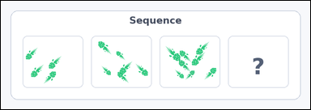 | 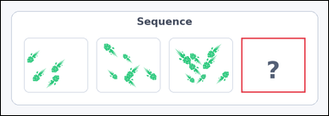 | task_icons_sequence_missing_count | arithmetic_progression | The image shows a horizontal row of Scene boxes, where one box is missing and marked with a question mark. Question: How many icons should be in the missing box to continue the sequence? Return a valid JSON object with keys "evidence" and "answer" in that order. Evidence: set "evidence" to a JSON array containing exactly one [x_min, y_min, x_max, y_max] box in image pixel coordinates for the missing Scene box. Answer: set "answer" to the missing count as an integer. Example JSON: {"evidence":[[540,126,654,458]],"answer":5} | The image shows a horizontal row of Scene boxes, where one box is missing and marked with a question mark. Question: How many icons should be in the missing box to continue the sequence? Return a valid JSON object with key "answer". Answer field: set "answer" to the missing count as an integer. Example JSON: {"answer":5} | {"evidence": [[564, 87, 714, 216]], "answer": 10} | [[564, 87, 714, 216]] | integer | bbox_set | 5.0851936371E+15 | icons/task_icons_sequence_missing_count/images/default/0011.png | icons/task_icons_sequence_missing_count/data/default/0011.json
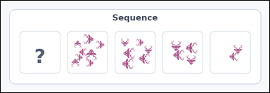 | 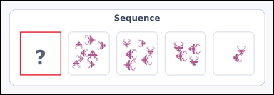 | task_icons_sequence_missing_count | arithmetic_progression | Work from the image with a horizontal row of Scene boxes, where one box is missing and marked with a question mark. Determine the answer: How many icons should be in the missing box to continue the sequence? Return a valid JSON object with keys "evidence" and "answer" in that order. Evidence: set "evidence" to a JSON array containing exactly one [x_min, y_min, x_max, y_max] box in image pixel coordinates for the missing Scene box. Answer: set "answer" to the missing count as an integer. Example JSON: {"evidence":[[540,126,654,458]],"answer":5} | Work from the image with a horizontal row of Scene boxes, where one box is missing and marked with a question mark. Determine the answer: How many icons should be in the missing box to continue the sequence? Return a valid JSON object with key "answer". Answer rule: set "answer" to the missing count as an integer. Example JSON: {"answer":5} | {"evidence": [[54, 87, 170, 209]], "answer": 10} | [[54, 87, 170, 209]] | integer | bbox_set | 5.1128576227E+15 | icons/task_icons_sequence_missing_count/images/default/0022.png | icons/task_icons_sequence_missing_count/data/default/0022.json
 |  | task_icons_sequence_missing_count | arithmetic_progression | Look at the image with a horizontal row of Scene boxes, where one box is missing and marked with a question mark. Task: How many icons should be in the missing box to continue the sequence? Return a valid JSON object with keys "evidence" and "answer" in that order. Evidence: set "evidence" to a JSON array containing exactly one [x_min, y_min, x_max, y_max] box in image pixel coordinates for the missing Scene box. Answer: set "answer" to the missing count as an integer. Example JSON: {"evidence":[[540,126,654,458]],"answer":5} | Look at the image with a horizontal row of Scene boxes, where one box is missing and marked with a question mark. Task: How many icons should be in the missing box to continue the sequence? Return a valid JSON object with key "answer". Answer: set "answer" to the missing count as an integer. Example JSON: {"answer":5} | {"evidence": [[582, 87, 738, 210]], "answer": 7} | [[582, 87, 738, 210]] | integer | bbox_set | 5.155832755E+15 | icons/task_icons_sequence_missing_count/images/default/0007.png | icons/task_icons_sequence_missing_count/data/default/0007.json
 |  | task_icons_sequence_missing_count | arithmetic_progression | The image shows a horizontal row of Scene boxes, where one box is missing and marked with a question mark. Determine the answer: How many icons should be in the missing box to continue the sequence? Return a valid JSON object with keys "evidence" and "answer" in that order. Evidence rule: set "evidence" to a JSON array containing exactly one [x_min, y_min, x_max, y_max] box in image pixel coordinates for the missing Scene box. Answer rule: set "answer" to the missing count as an integer. Example JSON: {"evidence":[[540,126,654,458]],"answer":5} | The image shows a horizontal row of Scene boxes, where one box is missing and marked with a question mark. Determine the answer: How many icons should be in the missing box to continue the sequence? Return a valid JSON object with key "answer". Answer format: set "answer" to the missing count as an integer. Example JSON: {"answer":5} | {"evidence": [[869, 87, 1012, 198]], "answer": 8} | [[869, 87, 1012, 198]] | integer | bbox_set | 5.2752867836E+15 | icons/task_icons_sequence_missing_count/images/default/0012.png | icons/task_icons_sequence_missing_count/data/default/0012.json
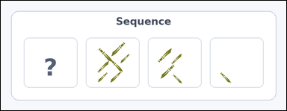 | 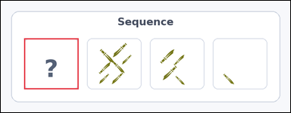 | task_icons_sequence_missing_count | arithmetic_progression | You are given an image with a horizontal row of Scene boxes, where one box is missing and marked with a question mark. How many icons should be in the missing box to continue the sequence? Return a valid JSON object with keys "evidence" and "answer" in that order. Evidence: set "evidence" to a JSON array containing exactly one [x_min, y_min, x_max, y_max] box in image pixel coordinates for the missing Scene box. Answer: set "answer" to the missing count as an integer. Example JSON: {"evidence":[[540,126,654,458]],"answer":5} | You are given an image with a horizontal row of Scene boxes, where one box is missing and marked with a question mark. How many icons should be in the missing box to continue the sequence? Return a valid JSON object with key "answer". Answer requirement: set "answer" to the missing count as an integer. Example JSON: {"answer":5} | {"evidence": [[54, 87, 180, 205]], "answer": 10} | [[54, 87, 180, 205]] | integer | bbox_set | 5.5615074113E+15 | icons/task_icons_sequence_missing_count/images/default/0008.png | icons/task_icons_sequence_missing_count/data/default/0008.json
 |  | task_icons_sequence_missing_count | arithmetic_progression | Look at the image with a horizontal row of Scene boxes, where one box is missing and marked with a question mark. Question: How many icons should be in the missing box to continue the sequence? Return a valid JSON object with keys "evidence" and "answer" in that order. Evidence rule: set "evidence" to a JSON array containing exactly one [x_min, y_min, x_max, y_max] box in image pixel coordinates for the missing Scene box. Answer rule: set "answer" to the missing count as an integer. Example JSON: {"evidence":[[540,126,654,458]],"answer":5} | Look at the image with a horizontal row of Scene boxes, where one box is missing and marked with a question mark. Question: How many icons should be in the missing box to continue the sequence? Return a valid JSON object with key "answer". Answer: set "answer" to the missing count as an integer. Example JSON: {"answer":5} | {"evidence": [[722, 87, 869, 216]], "answer": 6} | [[722, 87, 869, 216]] | integer | bbox_set | 5.5726130474E+15 | icons/task_icons_sequence_missing_count/images/default/0001.png | icons/task_icons_sequence_missing_count/data/default/0001.json
 |  | task_icons_sequence_missing_count | arithmetic_progression | The image shows a horizontal row of Scene boxes, where one box is missing and marked with a question mark. Determine the answer: How many icons should be in the missing box to continue the sequence? Return a valid JSON object with keys "evidence" and "answer" in that order. Evidence rule: set "evidence" to a JSON array containing exactly one [x_min, y_min, x_max, y_max] box in image pixel coordinates for the missing Scene box. Answer rule: set "answer" to the missing count as an integer. Example JSON: {"evidence":[[540,126,654,458]],"answer":5} | The image shows a horizontal row of Scene boxes, where one box is missing and marked with a question mark. Determine the answer: How many icons should be in the missing box to continue the sequence? Return a valid JSON object with key "answer". Answer format: set "answer" to the missing count as an integer. Example JSON: {"answer":5} | {"evidence": [[211, 87, 348, 217]], "answer": 1} | [[211, 87, 348, 217]] | integer | bbox_set | 6.657712368E+15 | icons/task_icons_sequence_missing_count/images/default/0002.png | icons/task_icons_sequence_missing_count/data/default/0002.json
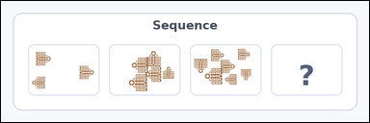 | 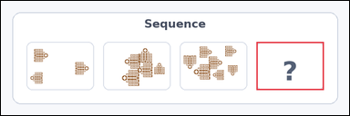 | task_icons_sequence_missing_count | arithmetic_progression | Use the image containing a horizontal row of Scene boxes, where one box is missing and marked with a question mark. Answer this question: How many icons should be in the missing box to continue the sequence? Return a valid JSON object with keys "evidence" and "answer" in that order. Evidence requirement: set "evidence" to a JSON array containing exactly one [x_min, y_min, x_max, y_max] box in image pixel coordinates for the missing Scene box. Answer format: set "answer" to the missing count as an integer. Example JSON: {"evidence":[[540,126,654,458]],"answer":5} | Use the image containing a horizontal row of Scene boxes, where one box is missing and marked with a question mark. Answer this question: How many icons should be in the missing box to continue the sequence? Return a valid JSON object with key "answer". Answer rule: set "answer" to the missing count as an integer. Example JSON: {"answer":5} | {"evidence": [[540, 87, 682, 189]], "answer": 9} | [[540, 87, 682, 189]] | integer | bbox_set | 6.8527030074E+15 | icons/task_icons_sequence_missing_count/images/default/0004.png | icons/task_icons_sequence_missing_count/data/default/0004.json
 |  | task_icons_sequence_missing_count | arithmetic_progression | The image shows a horizontal row of Scene boxes, where one box is missing and marked with a question mark. Determine the answer: How many icons should be in the missing box to continue the sequence? Return a valid JSON object with keys "evidence" and "answer" in that order. Evidence requirement: set "evidence" to a JSON array containing exactly one [x_min, y_min, x_max, y_max] box in image pixel coordinates for the missing Scene box. Answer format: set "answer" to the missing count as an integer. Example JSON: {"evidence":[[540,126,654,458]],"answer":5} | The image shows a horizontal row of Scene boxes, where one box is missing and marked with a question mark. Determine the answer: How many icons should be in the missing box to continue the sequence? Return a valid JSON object with key "answer". Answer rule: set "answer" to the missing count as an integer. Example JSON: {"answer":5} | {"evidence": [[215, 87, 356, 188]], "answer": 5} | [[215, 87, 356, 188]] | integer | bbox_set | 7.5574456166E+15 | icons/task_icons_sequence_missing_count/images/default/0021.png | icons/task_icons_sequence_missing_count/data/default/0021.json

