same_pair_transform
image | evidence_image | task | task_variant | prompt | prompt_answer_only | answer | answer_evidence | answer_type | evidence_type | instance_seed | image_path | data_path
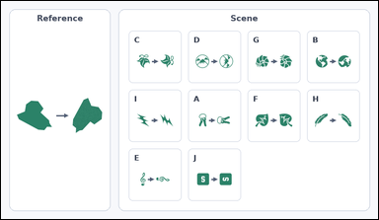 |  | task_icons_transformation_pair_count | same_pair_transform | Use the image containing a Reference pair on the left and a labeled Scene grid of icon pairs on the right. Determine the answer: How many labeled Scene cells show the same transformation as the Reference pair? Return a valid JSON object with keys "evidence" and "answer" in that order. Evidence rule: set "evidence" to a sorted JSON array of the matching Scene cell labels. Answer rule: set "answer" to the count as an integer. Example JSON: {"evidence":["B","E","G"],"answer":3} | Use the image containing a Reference pair on the left and a labeled Scene grid of icon pairs on the right. Determine the answer: How many labeled Scene cells show the same transformation as the Reference pair? Return a valid JSON object with key "answer". Answer rule: set "answer" to the count as an integer. Example JSON: {"answer":3} | {"evidence": ["B", "E", "G", "H", "J"], "answer": 5} | ["B", "E", "G", "H", "J"] | integer | label_set | 350714882634364 | icons/task_icons_transformation_pair_count/images/default/0003.png | icons/task_icons_transformation_pair_count/data/default/0003.json
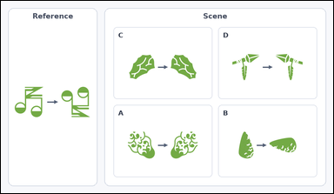 |  | task_icons_transformation_pair_count | same_pair_transform | The image shows a Reference pair on the left and a labeled Scene grid of icon pairs on the right. Determine the answer: How many labeled Scene cells show the same transformation as the Reference pair? Return a valid JSON object with keys "evidence" and "answer" in that order. Evidence: set "evidence" to a sorted JSON array of the matching Scene cell labels. Answer: set "answer" to the count as an integer. Example JSON: {"evidence":["B","E","G"],"answer":3} | The image shows a Reference pair on the left and a labeled Scene grid of icon pairs on the right. Determine the answer: How many labeled Scene cells show the same transformation as the Reference pair? Return a valid JSON object with key "answer". Answer: set "answer" to the count as an integer. Example JSON: {"answer":3} | {"evidence": [], "answer": 0} | [] | integer | label_set | 596443242844865 | icons/task_icons_transformation_pair_count/images/default/0023.png | icons/task_icons_transformation_pair_count/data/default/0023.json
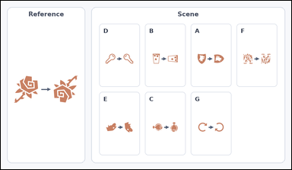 |  | task_icons_transformation_pair_count | same_pair_transform | Look at the image with a Reference pair on the left and a labeled Scene grid of icon pairs on the right. How many labeled Scene cells show the same transformation as the Reference pair? Return a valid JSON object with keys "evidence" and "answer" in that order. Evidence field: set "evidence" to a sorted JSON array of the matching Scene cell labels. Answer field: set "answer" to the count as an integer. Example JSON: {"evidence":["B","E","G"],"answer":3} | Look at the image with a Reference pair on the left and a labeled Scene grid of icon pairs on the right. How many labeled Scene cells show the same transformation as the Reference pair? Return a valid JSON object with key "answer". Answer: set "answer" to the count as an integer. Example JSON: {"answer":3} | {"evidence": ["G"], "answer": 1} | ["G"] | integer | label_set | 1.3368982681E+15 | icons/task_icons_transformation_pair_count/images/default/0018.png | icons/task_icons_transformation_pair_count/data/default/0018.json
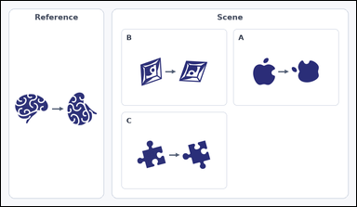 |  | task_icons_transformation_pair_count | same_pair_transform | Work from the image with a Reference pair on the left and a labeled Scene grid of icon pairs on the right. Task: How many labeled Scene cells show the same transformation as the Reference pair? Return a valid JSON object with keys "evidence" and "answer" in that order. Evidence rule: set "evidence" to a sorted JSON array of the matching Scene cell labels. Answer rule: set "answer" to the count as an integer. Example JSON: {"evidence":["B","E","G"],"answer":3} | Work from the image with a Reference pair on the left and a labeled Scene grid of icon pairs on the right. Task: How many labeled Scene cells show the same transformation as the Reference pair? Return a valid JSON object with key "answer". Answer format: set "answer" to the count as an integer. Example JSON: {"answer":3} | {"evidence": ["A", "C"], "answer": 2} | ["A", "C"] | integer | label_set | 1.5440935543E+15 | icons/task_icons_transformation_pair_count/images/default/0013.png | icons/task_icons_transformation_pair_count/data/default/0013.json
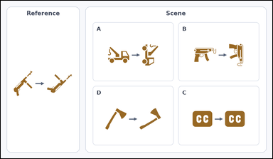 |  | task_icons_transformation_pair_count | same_pair_transform | Use the image containing a Reference pair on the left and a labeled Scene grid of icon pairs on the right. Determine the answer: How many labeled Scene cells show the same transformation as the Reference pair? Return a valid JSON object with keys "evidence" and "answer" in that order. Evidence: set "evidence" to a sorted JSON array of the matching Scene cell labels. Answer: set "answer" to the count as an integer. Example JSON: {"evidence":["B","E","G"],"answer":3} | Use the image containing a Reference pair on the left and a labeled Scene grid of icon pairs on the right. Determine the answer: How many labeled Scene cells show the same transformation as the Reference pair? Return a valid JSON object with key "answer". Answer: set "answer" to the count as an integer. Example JSON: {"answer":3} | {"evidence": ["D"], "answer": 1} | ["D"] | integer | label_set | 2.1305882066E+15 | icons/task_icons_transformation_pair_count/images/default/0005.png | icons/task_icons_transformation_pair_count/data/default/0005.json
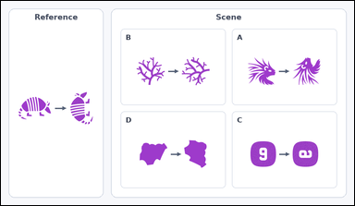 |  | task_icons_transformation_pair_count | same_pair_transform | You are given an image with a Reference pair on the left and a labeled Scene grid of icon pairs on the right. Question: How many labeled Scene cells show the same transformation as the Reference pair? Return a valid JSON object with keys "evidence" and "answer" in that order. Evidence rule: set "evidence" to a sorted JSON array of the matching Scene cell labels. Answer rule: set "answer" to the count as an integer. Example JSON: {"evidence":["B","E","G"],"answer":3} | You are given an image with a Reference pair on the left and a labeled Scene grid of icon pairs on the right. Question: How many labeled Scene cells show the same transformation as the Reference pair? Return a valid JSON object with key "answer". Answer rule: set "answer" to the count as an integer. Example JSON: {"answer":3} | {"evidence": ["A"], "answer": 1} | ["A"] | integer | label_set | 2.1459267126E+15 | icons/task_icons_transformation_pair_count/images/default/0015.png | icons/task_icons_transformation_pair_count/data/default/0015.json
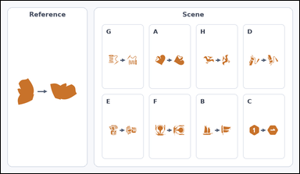 |  | task_icons_transformation_pair_count | same_pair_transform | The image shows a Reference pair on the left and a labeled Scene grid of icon pairs on the right. Question: How many labeled Scene cells show the same transformation as the Reference pair? Return a valid JSON object with keys "evidence" and "answer" in that order. Evidence requirement: set "evidence" to a sorted JSON array of the matching Scene cell labels. Answer format: set "answer" to the count as an integer. Example JSON: {"evidence":["B","E","G"],"answer":3} | The image shows a Reference pair on the left and a labeled Scene grid of icon pairs on the right. Question: How many labeled Scene cells show the same transformation as the Reference pair? Return a valid JSON object with key "answer". Answer format: set "answer" to the count as an integer. Example JSON: {"answer":3} | {"evidence": ["A", "B", "C", "F"], "answer": 4} | ["A", "B", "C", "F"] | integer | label_set | 2.1636380883E+15 | icons/task_icons_transformation_pair_count/images/default/0022.png | icons/task_icons_transformation_pair_count/data/default/0022.json
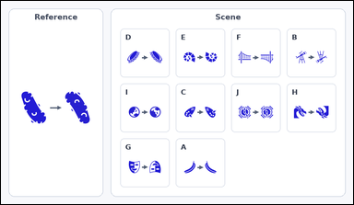 |  | task_icons_transformation_pair_count | same_pair_transform | The image shows a Reference pair on the left and a labeled Scene grid of icon pairs on the right. Determine the answer: How many labeled Scene cells show the same transformation as the Reference pair? Return a valid JSON object with keys "evidence" and "answer" in that order. Evidence rule: set "evidence" to a sorted JSON array of the matching Scene cell labels. Answer rule: set "answer" to the count as an integer. Example JSON: {"evidence":["B","E","G"],"answer":3} | The image shows a Reference pair on the left and a labeled Scene grid of icon pairs on the right. Determine the answer: How many labeled Scene cells show the same transformation as the Reference pair? Return a valid JSON object with key "answer". Answer: set "answer" to the count as an integer. Example JSON: {"answer":3} | {"evidence": ["B", "E", "F", "G", "H", "J"], "answer": 6} | ["B", "E", "F", "G", "H", "J"] | integer | label_set | 3.1235525991E+15 | icons/task_icons_transformation_pair_count/images/default/0019.png | icons/task_icons_transformation_pair_count/data/default/0019.json
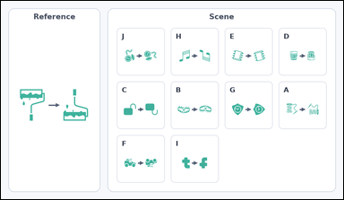 |  | task_icons_transformation_pair_count | same_pair_transform | The image shows a Reference pair on the left and a labeled Scene grid of icon pairs on the right. Task: How many labeled Scene cells show the same transformation as the Reference pair? Return a valid JSON object with keys "evidence" and "answer" in that order. Evidence: set "evidence" to a sorted JSON array of the matching Scene cell labels. Answer: set "answer" to the count as an integer. Example JSON: {"evidence":["B","E","G"],"answer":3} | The image shows a Reference pair on the left and a labeled Scene grid of icon pairs on the right. Task: How many labeled Scene cells show the same transformation as the Reference pair? Return a valid JSON object with key "answer". Answer: set "answer" to the count as an integer. Example JSON: {"answer":3} | {"evidence": ["C", "D", "E", "F", "H", "I"], "answer": 6} | ["C", "D", "E", "F", "H", "I"] | integer | label_set | 3.3248324876E+15 | icons/task_icons_transformation_pair_count/images/default/0016.png | icons/task_icons_transformation_pair_count/data/default/0016.json
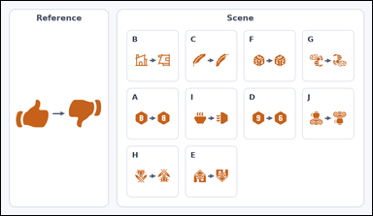 |  | task_icons_transformation_pair_count | same_pair_transform | Use the image containing a Reference pair on the left and a labeled Scene grid of icon pairs on the right. Determine the answer: How many labeled Scene cells show the same transformation as the Reference pair? Return a valid JSON object with keys "evidence" and "answer" in that order. Evidence format: set "evidence" to a sorted JSON array of the matching Scene cell labels. Answer requirement: set "answer" to the count as an integer. Example JSON: {"evidence":["B","E","G"],"answer":3} | Use the image containing a Reference pair on the left and a labeled Scene grid of icon pairs on the right. Determine the answer: How many labeled Scene cells show the same transformation as the Reference pair? Return a valid JSON object with key "answer". Answer field: set "answer" to the count as an integer. Example JSON: {"answer":3} | {"evidence": ["A", "D", "E", "G", "H"], "answer": 5} | ["A", "D", "E", "G", "H"] | integer | label_set | 3.980027021E+15 | icons/task_icons_transformation_pair_count/images/default/0008.png | icons/task_icons_transformation_pair_count/data/default/0008.json
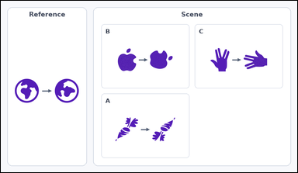 |  | task_icons_transformation_pair_count | same_pair_transform | Use the image containing a Reference pair on the left and a labeled Scene grid of icon pairs on the right. Question: How many labeled Scene cells show the same transformation as the Reference pair? Return a valid JSON object with keys "evidence" and "answer" in that order. Evidence field: set "evidence" to a sorted JSON array of the matching Scene cell labels. Answer field: set "answer" to the count as an integer. Example JSON: {"evidence":["B","E","G"],"answer":3} | Use the image containing a Reference pair on the left and a labeled Scene grid of icon pairs on the right. Question: How many labeled Scene cells show the same transformation as the Reference pair? Return a valid JSON object with key "answer". Answer requirement: set "answer" to the count as an integer. Example JSON: {"answer":3} | {"evidence": [], "answer": 0} | [] | integer | label_set | 4.0710939171E+15 | icons/task_icons_transformation_pair_count/images/default/0007.png | icons/task_icons_transformation_pair_count/data/default/0007.json
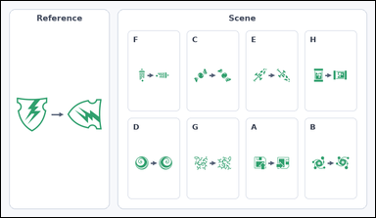 |  | task_icons_transformation_pair_count | same_pair_transform | Use the image containing a Reference pair on the left and a labeled Scene grid of icon pairs on the right. Answer this question: How many labeled Scene cells show the same transformation as the Reference pair? Return a valid JSON object with keys "evidence" and "answer" in that order. Evidence requirement: set "evidence" to a sorted JSON array of the matching Scene cell labels. Answer format: set "answer" to the count as an integer. Example JSON: {"evidence":["B","E","G"],"answer":3} | Use the image containing a Reference pair on the left and a labeled Scene grid of icon pairs on the right. Answer this question: How many labeled Scene cells show the same transformation as the Reference pair? Return a valid JSON object with key "answer". Answer format: set "answer" to the count as an integer. Example JSON: {"answer":3} | {"evidence": ["A", "C", "E", "F", "G"], "answer": 5} | ["A", "C", "E", "F", "G"] | integer | label_set | 4.4855235638E+15 | icons/task_icons_transformation_pair_count/images/default/0004.png | icons/task_icons_transformation_pair_count/data/default/0004.json
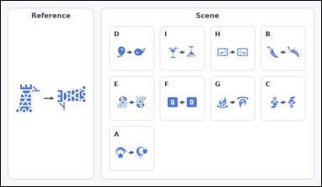 |  | task_icons_transformation_pair_count | same_pair_transform | Use the image containing a Reference pair on the left and a labeled Scene grid of icon pairs on the right. Answer this question: How many labeled Scene cells show the same transformation as the Reference pair? Return a valid JSON object with keys "evidence" and "answer" in that order. Evidence field: set "evidence" to a sorted JSON array of the matching Scene cell labels. Answer field: set "answer" to the count as an integer. Example JSON: {"evidence":["B","E","G"],"answer":3} | Use the image containing a Reference pair on the left and a labeled Scene grid of icon pairs on the right. Answer this question: How many labeled Scene cells show the same transformation as the Reference pair? Return a valid JSON object with key "answer". Answer field: set "answer" to the count as an integer. Example JSON: {"answer":3} | {"evidence": ["A", "B", "D"], "answer": 3} | ["A", "B", "D"] | integer | label_set | 4.9304257104E+15 | icons/task_icons_transformation_pair_count/images/default/0002.png | icons/task_icons_transformation_pair_count/data/default/0002.json
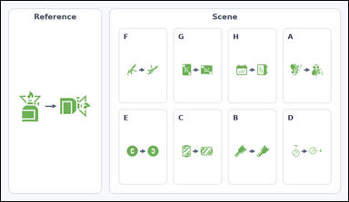 |  | task_icons_transformation_pair_count | same_pair_transform | Work from the image with a Reference pair on the left and a labeled Scene grid of icon pairs on the right. Task: How many labeled Scene cells show the same transformation as the Reference pair? Return a valid JSON object with keys "evidence" and "answer" in that order. Evidence format: set "evidence" to a sorted JSON array of the matching Scene cell labels. Answer requirement: set "answer" to the count as an integer. Example JSON: {"evidence":["B","E","G"],"answer":3} | Work from the image with a Reference pair on the left and a labeled Scene grid of icon pairs on the right. Task: How many labeled Scene cells show the same transformation as the Reference pair? Return a valid JSON object with key "answer". Answer requirement: set "answer" to the count as an integer. Example JSON: {"answer":3} | {"evidence": ["B", "D", "F", "G"], "answer": 4} | ["B", "D", "F", "G"] | integer | label_set | 4.9958319757E+15 | icons/task_icons_transformation_pair_count/images/default/0011.png | icons/task_icons_transformation_pair_count/data/default/0011.json
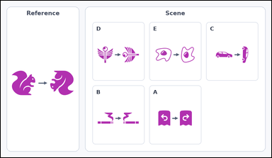 |  | task_icons_transformation_pair_count | same_pair_transform | Work from the image with a Reference pair on the left and a labeled Scene grid of icon pairs on the right. How many labeled Scene cells show the same transformation as the Reference pair? Return a valid JSON object with keys "evidence" and "answer" in that order. Evidence: set "evidence" to a sorted JSON array of the matching Scene cell labels. Answer: set "answer" to the count as an integer. Example JSON: {"evidence":["B","E","G"],"answer":3} | Work from the image with a Reference pair on the left and a labeled Scene grid of icon pairs on the right. How many labeled Scene cells show the same transformation as the Reference pair? Return a valid JSON object with key "answer". Answer format: set "answer" to the count as an integer. Example JSON: {"answer":3} | {"evidence": [], "answer": 0} | [] | integer | label_set | 5.3458497787E+15 | icons/task_icons_transformation_pair_count/images/default/0009.png | icons/task_icons_transformation_pair_count/data/default/0009.json
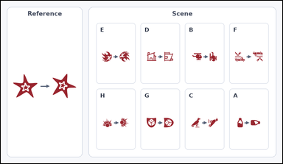 |  | task_icons_transformation_pair_count | same_pair_transform | The image shows a Reference pair on the left and a labeled Scene grid of icon pairs on the right. Question: How many labeled Scene cells show the same transformation as the Reference pair? Return a valid JSON object with keys "evidence" and "answer" in that order. Evidence: set "evidence" to a sorted JSON array of the matching Scene cell labels. Answer: set "answer" to the count as an integer. Example JSON: {"evidence":["B","E","G"],"answer":3} | The image shows a Reference pair on the left and a labeled Scene grid of icon pairs on the right. Question: How many labeled Scene cells show the same transformation as the Reference pair? Return a valid JSON object with key "answer". Answer field: set "answer" to the count as an integer. Example JSON: {"answer":3} | {"evidence": ["A", "C", "D", "H"], "answer": 4} | ["A", "C", "D", "H"] | integer | label_set | 5.4221346781E+15 | icons/task_icons_transformation_pair_count/images/default/0020.png | icons/task_icons_transformation_pair_count/data/default/0020.json
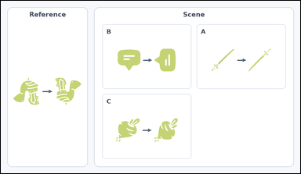 |  | task_icons_transformation_pair_count | same_pair_transform | Work from the image with a Reference pair on the left and a labeled Scene grid of icon pairs on the right. Question: How many labeled Scene cells show the same transformation as the Reference pair? Return a valid JSON object with keys "evidence" and "answer" in that order. Evidence field: set "evidence" to a sorted JSON array of the matching Scene cell labels. Answer field: set "answer" to the count as an integer. Example JSON: {"evidence":["B","E","G"],"answer":3} | Work from the image with a Reference pair on the left and a labeled Scene grid of icon pairs on the right. Question: How many labeled Scene cells show the same transformation as the Reference pair? Return a valid JSON object with key "answer". Answer requirement: set "answer" to the count as an integer. Example JSON: {"answer":3} | {"evidence": [], "answer": 0} | [] | integer | label_set | 6.1495700243E+15 | icons/task_icons_transformation_pair_count/images/default/0021.png | icons/task_icons_transformation_pair_count/data/default/0021.json
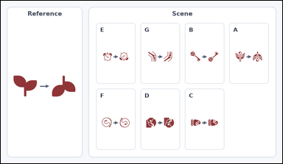 |  | task_icons_transformation_pair_count | same_pair_transform | The image shows a Reference pair on the left and a labeled Scene grid of icon pairs on the right. How many labeled Scene cells show the same transformation as the Reference pair? Return a valid JSON object with keys "evidence" and "answer" in that order. Evidence: set "evidence" to a sorted JSON array of the matching Scene cell labels. Answer: set "answer" to the count as an integer. Example JSON: {"evidence":["B","E","G"],"answer":3} | The image shows a Reference pair on the left and a labeled Scene grid of icon pairs on the right. How many labeled Scene cells show the same transformation as the Reference pair? Return a valid JSON object with key "answer". Answer requirement: set "answer" to the count as an integer. Example JSON: {"answer":3} | {"evidence": ["A", "B", "C", "D", "E", "G"], "answer": 6} | ["A", "B", "C", "D", "E", "G"] | integer | label_set | 6.1651792305E+15 | icons/task_icons_transformation_pair_count/images/default/0017.png | icons/task_icons_transformation_pair_count/data/default/0017.json
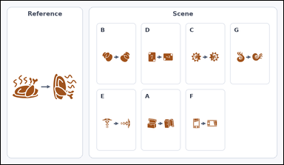 |  | task_icons_transformation_pair_count | same_pair_transform | Look at the image with a Reference pair on the left and a labeled Scene grid of icon pairs on the right. Determine the answer: How many labeled Scene cells show the same transformation as the Reference pair? Return a valid JSON object with keys "evidence" and "answer" in that order. Evidence field: set "evidence" to a sorted JSON array of the matching Scene cell labels. Answer field: set "answer" to the count as an integer. Example JSON: {"evidence":["B","E","G"],"answer":3} | Look at the image with a Reference pair on the left and a labeled Scene grid of icon pairs on the right. Determine the answer: How many labeled Scene cells show the same transformation as the Reference pair? Return a valid JSON object with key "answer". Answer format: set "answer" to the count as an integer. Example JSON: {"answer":3} | {"evidence": ["B", "D", "E", "F", "G"], "answer": 5} | ["B", "D", "E", "F", "G"] | integer | label_set | 6.4040086825E+15 | icons/task_icons_transformation_pair_count/images/default/0001.png | icons/task_icons_transformation_pair_count/data/default/0001.json
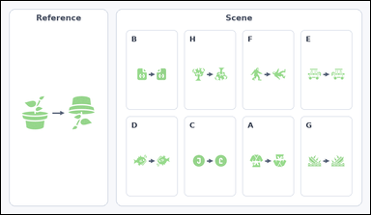 |  | task_icons_transformation_pair_count | same_pair_transform | Work from the image with a Reference pair on the left and a labeled Scene grid of icon pairs on the right. Determine the answer: How many labeled Scene cells show the same transformation as the Reference pair? Return a valid JSON object with keys "evidence" and "answer" in that order. Evidence: set "evidence" to a sorted JSON array of the matching Scene cell labels. Answer: set "answer" to the count as an integer. Example JSON: {"evidence":["B","E","G"],"answer":3} | Work from the image with a Reference pair on the left and a labeled Scene grid of icon pairs on the right. Determine the answer: How many labeled Scene cells show the same transformation as the Reference pair? Return a valid JSON object with key "answer". Answer: set "answer" to the count as an integer. Example JSON: {"answer":3} | {"evidence": ["A", "C", "D", "H"], "answer": 4} | ["A", "C", "D", "H"] | integer | label_set | 6.5473409274E+15 | icons/task_icons_transformation_pair_count/images/default/0014.png | icons/task_icons_transformation_pair_count/data/default/0014.json
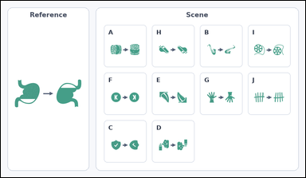 |  | task_icons_transformation_pair_count | same_pair_transform | Use the image containing a Reference pair on the left and a labeled Scene grid of icon pairs on the right. Question: How many labeled Scene cells show the same transformation as the Reference pair? Return a valid JSON object with keys "evidence" and "answer" in that order. Evidence rule: set "evidence" to a sorted JSON array of the matching Scene cell labels. Answer rule: set "answer" to the count as an integer. Example JSON: {"evidence":["B","E","G"],"answer":3} | Use the image containing a Reference pair on the left and a labeled Scene grid of icon pairs on the right. Question: How many labeled Scene cells show the same transformation as the Reference pair? Return a valid JSON object with key "answer". Answer requirement: set "answer" to the count as an integer. Example JSON: {"answer":3} | {"evidence": ["D", "E", "F", "H", "J"], "answer": 5} | ["D", "E", "F", "H", "J"] | integer | label_set | 6.9703293804E+15 | icons/task_icons_transformation_pair_count/images/default/0010.png | icons/task_icons_transformation_pair_count/data/default/0010.json
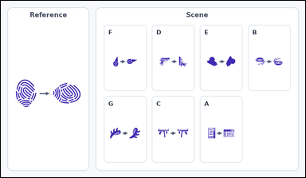 |  | task_icons_transformation_pair_count | same_pair_transform | You are given an image with a Reference pair on the left and a labeled Scene grid of icon pairs on the right. Determine the answer: How many labeled Scene cells show the same transformation as the Reference pair? Return a valid JSON object with keys "evidence" and "answer" in that order. Evidence: set "evidence" to a sorted JSON array of the matching Scene cell labels. Answer: set "answer" to the count as an integer. Example JSON: {"evidence":["B","E","G"],"answer":3} | You are given an image with a Reference pair on the left and a labeled Scene grid of icon pairs on the right. Determine the answer: How many labeled Scene cells show the same transformation as the Reference pair? Return a valid JSON object with key "answer". Answer: set "answer" to the count as an integer. Example JSON: {"answer":3} | {"evidence": ["A", "F", "G"], "answer": 3} | ["A", "F", "G"] | integer | label_set | 7.7530025191E+15 | icons/task_icons_transformation_pair_count/images/default/0024.png | icons/task_icons_transformation_pair_count/data/default/0024.json
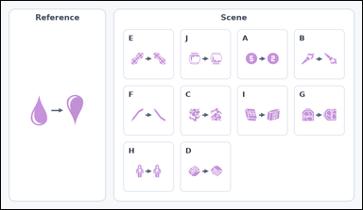 |  | task_icons_transformation_pair_count | same_pair_transform | Use the image containing a Reference pair on the left and a labeled Scene grid of icon pairs on the right. Determine the answer: How many labeled Scene cells show the same transformation as the Reference pair? Return a valid JSON object with keys "evidence" and "answer" in that order. Evidence requirement: set "evidence" to a sorted JSON array of the matching Scene cell labels. Answer format: set "answer" to the count as an integer. Example JSON: {"evidence":["B","E","G"],"answer":3} | Use the image containing a Reference pair on the left and a labeled Scene grid of icon pairs on the right. Determine the answer: How many labeled Scene cells show the same transformation as the Reference pair? Return a valid JSON object with key "answer". Answer rule: set "answer" to the count as an integer. Example JSON: {"answer":3} | {"evidence": ["A", "B", "C", "D", "F", "J"], "answer": 6} | ["A", "B", "C", "D", "F", "J"] | integer | label_set | 8.3373943263E+15 | icons/task_icons_transformation_pair_count/images/default/0012.png | icons/task_icons_transformation_pair_count/data/default/0012.json
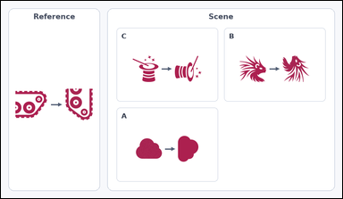 |  | task_icons_transformation_pair_count | same_pair_transform | Use the image containing a Reference pair on the left and a labeled Scene grid of icon pairs on the right. Determine the answer: How many labeled Scene cells show the same transformation as the Reference pair? Return a valid JSON object with keys "evidence" and "answer" in that order. Evidence format: set "evidence" to a sorted JSON array of the matching Scene cell labels. Answer requirement: set "answer" to the count as an integer. Example JSON: {"evidence":["B","E","G"],"answer":3} | Use the image containing a Reference pair on the left and a labeled Scene grid of icon pairs on the right. Determine the answer: How many labeled Scene cells show the same transformation as the Reference pair? Return a valid JSON object with key "answer". Answer rule: set "answer" to the count as an integer. Example JSON: {"answer":3} | {"evidence": ["A", "C"], "answer": 2} | ["A", "C"] | integer | label_set | 8.3483489686E+15 | icons/task_icons_transformation_pair_count/images/default/0006.png | icons/task_icons_transformation_pair_count/data/default/0006.json
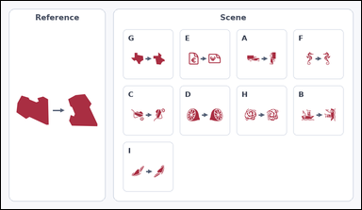 |  | task_icons_transformation_pair_count | same_pair_transform | The image shows a Reference pair on the left and a labeled Scene grid of icon pairs on the right. Task: How many labeled Scene cells show the same transformation as the Reference pair? Return a valid JSON object with keys "evidence" and "answer" in that order. Evidence: set "evidence" to a sorted JSON array of the matching Scene cell labels. Answer: set "answer" to the count as an integer. Example JSON: {"evidence":["B","E","G"],"answer":3} | The image shows a Reference pair on the left and a labeled Scene grid of icon pairs on the right. Task: How many labeled Scene cells show the same transformation as the Reference pair? Return a valid JSON object with key "answer". Answer requirement: set "answer" to the count as an integer. Example JSON: {"answer":3} | {"evidence": ["B", "G", "H", "I"], "answer": 4} | ["B", "G", "H", "I"] | integer | label_set | 8.6666415851E+15 | icons/task_icons_transformation_pair_count/images/default/0000.png | icons/task_icons_transformation_pair_count/data/default/0000.json

