longer_than_reference_count
image | evidence_image | task | task_variant | prompt | prompt_answer_only | answer | answer_evidence | answer_type | evidence_type | instance_seed | image_path | data_path
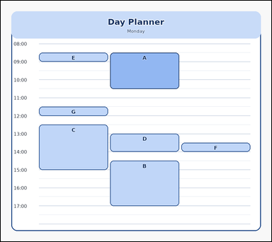 | 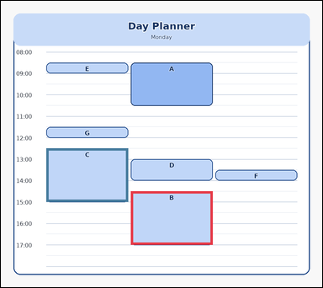 | task_temporal_schedule_day_planner | longer_than_reference_count | Work from the day planner shown in the image: one single-day schedule with time labels, 7 scheduled event blocks, and one highlighted reference event. Read the schedule carefully and answer the question. Among the scheduled events, how many last longer than the highlighted reference event? Return a valid JSON object with keys "evidence" and "answer" in that order. Evidence format: set "evidence" to an array of bounding boxes [x1, y1, x2, y2] for all event blocks that satisfy the query. Answer requirement: set "answer" to the integer count of events that are longer than the reference event. Example JSON: {"evidence":[[250,240,396,408],[404,430,550,634],[558,352,704,568]],"answer":3} | Work from the day planner shown in the image: one single-day schedule with time labels, 7 scheduled event blocks, and one highlighted reference event. Read the schedule carefully and answer the question. Among the scheduled events, how many last longer than the highlighted reference event? Return a valid JSON object with key "answer". Answer format: set "answer" to the integer count of events that are longer than the reference event. Example JSON: {"answer":3} | {"evidence": [[372.0, 545.1, 606.0, 698.6], [130.0, 422.3, 364.0, 575.8]], "answer": 2} | [[372.0, 545.1, 606.0, 698.6], [130.0, 422.3, 364.0, 575.8]] | integer | bbox_set | 849161149379639 | temporal/task_temporal_schedule_day_planner/images/longer_than_reference_count/0004.png | temporal/task_temporal_schedule_day_planner/data/longer_than_reference_count/0004.json
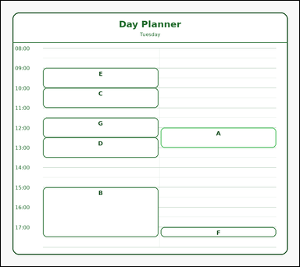 | 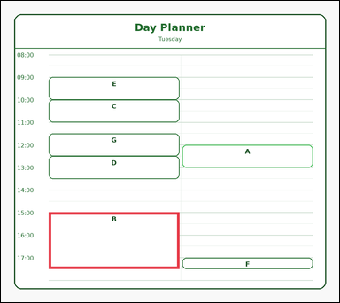 | task_temporal_schedule_day_planner | longer_than_reference_count | Look at the single-day schedule in the image. It shows one single-day schedule with time labels, 7 scheduled event blocks, and one highlighted reference event. Use the day planner to answer the question. Count the scheduled events with a longer duration than the highlighted reference event. Return a valid JSON object with keys "evidence" and "answer" in that order. Evidence: set "evidence" to an array of bounding boxes [x1, y1, x2, y2] for all event blocks that satisfy the query. Answer: set "answer" to the integer count of events that are longer than the reference event. Example JSON: {"evidence":[[250,240,396,408],[404,430,550,634],[558,352,704,568]],"answer":3} | Look at the single-day schedule in the image. It shows one single-day schedule with time labels, 7 scheduled event blocks, and one highlighted reference event. Use the day planner to answer the question. Count the scheduled events with a longer duration than the highlighted reference event. Return a valid JSON object with key "answer". Answer rule: set "answer" to the integer count of events that are longer than the reference event. Example JSON: {"answer":3} | {"evidence": [[130.0, 575.8, 485.0, 729.3]], "answer": 1} | [[130.0, 575.8, 485.0, 729.3]] | integer | bbox_set | 1.1596724588E+15 | temporal/task_temporal_schedule_day_planner/images/longer_than_reference_count/0024.png | temporal/task_temporal_schedule_day_planner/data/longer_than_reference_count/0024.json
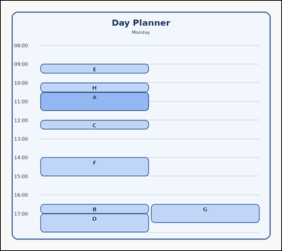 |  | task_temporal_schedule_day_planner | longer_than_reference_count | Use the schedule in the image. It shows one single-day schedule with time labels, 8 scheduled event blocks, and one highlighted reference event. Answer the question using the schedule. How many event blocks are longer than the highlighted reference event? Return a valid JSON object with keys "evidence" and "answer" in that order. Evidence: set "evidence" to an array of bounding boxes [x1, y1, x2, y2] for all event blocks that satisfy the query. Answer: set "answer" to the integer count of events that are longer than the reference event. Example JSON: {"evidence":[[250,240,396,408],[404,430,550,634],[558,352,704,568]],"answer":3} | Use the schedule in the image. It shows one single-day schedule with time labels, 8 scheduled event blocks, and one highlighted reference event. Answer the question using the schedule. How many event blocks are longer than the highlighted reference event? Return a valid JSON object with key "answer". Answer: set "answer" to the integer count of events that are longer than the reference event. Example JSON: {"answer":3} | {"evidence": [], "answer": 0} | [] | integer | bbox_set | 1.3201212826E+15 | temporal/task_temporal_schedule_day_planner/images/longer_than_reference_count/0008.png | temporal/task_temporal_schedule_day_planner/data/longer_than_reference_count/0008.json
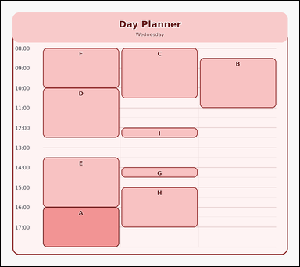 | 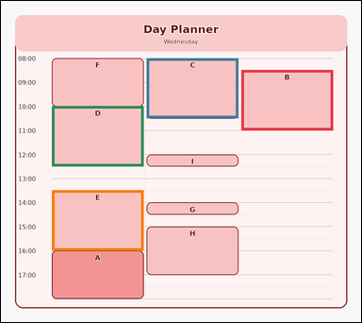 | task_temporal_schedule_day_planner | longer_than_reference_count | Look at the single-day schedule in the image. It shows one single-day schedule with time labels, 9 scheduled event blocks, and one highlighted reference event. Answer the question using the schedule. How many event blocks are longer than the highlighted reference event? Return a valid JSON object with keys "evidence" and "answer" in that order. Evidence format: set "evidence" to an array of bounding boxes [x1, y1, x2, y2] for all event blocks that satisfy the query. Answer requirement: set "answer" to the integer count of events that are longer than the reference event. Example JSON: {"evidence":[[250,240,396,408],[404,430,550,634],[558,352,704,568]],"answer":3} | Look at the single-day schedule in the image. It shows one single-day schedule with time labels, 9 scheduled event blocks, and one highlighted reference event. Answer the question using the schedule. How many event blocks are longer than the highlighted reference event? Return a valid JSON object with key "answer". Answer rule: set "answer" to the integer count of events that are longer than the reference event. Example JSON: {"answer":3} | {"evidence": [[614.0, 176.7, 848.0, 330.2], [372.0, 146.0, 606.0, 299.5], [130.0, 268.8, 364.0, 422.3], [130.0, 483.7, 364.0, 637.2]], "answer": 4} | [[614.0, 176.7, 848.0, 330.2], [372.0, 146.0, 606.0, 299.5], [130.0, 268.8, 364.0, 422.3], [130.0, 483.7, 364.0, 637.2]] | integer | bbox_set | 1.535689647E+15 | temporal/task_temporal_schedule_day_planner/images/longer_than_reference_count/0005.png | temporal/task_temporal_schedule_day_planner/data/longer_than_reference_count/0005.json
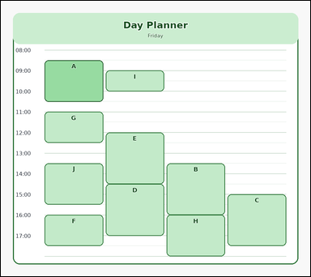 | 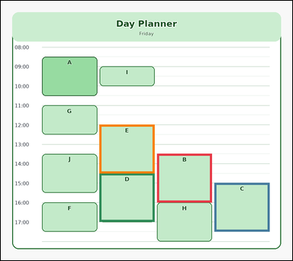 | task_temporal_schedule_day_planner | longer_than_reference_count | Look at the single-day schedule in the image. It shows one single-day schedule with time labels, 10 scheduled event blocks, and one highlighted reference event. Work from the full schedule view to answer the question. How many scheduled events are longer than the highlighted reference event? Return a valid JSON object with keys "evidence" and "answer" in that order. Evidence: set "evidence" to an array of bounding boxes [x1, y1, x2, y2] for all event blocks that satisfy the query. Answer: set "answer" to the integer count of events that are longer than the reference event. Example JSON: {"evidence":[[250,240,396,408],[404,430,550,634],[558,352,704,568]],"answer":3} | Look at the single-day schedule in the image. It shows one single-day schedule with time labels, 10 scheduled event blocks, and one highlighted reference event. Work from the full schedule view to answer the question. How many scheduled events are longer than the highlighted reference event? Return a valid JSON object with key "answer". Answer: set "answer" to the integer count of events that are longer than the reference event. Example JSON: {"answer":3} | {"evidence": [[493.0, 483.7, 666.5, 637.2], [674.5, 575.8, 848.0, 729.3], [311.5, 545.1, 485.0, 698.6], [311.5, 391.6, 485.0, 545.1]], "answer": 4} | [[493.0, 483.7, 666.5, 637.2], [674.5, 575.8, 848.0, 729.3], [311.5, 545.1, 485.0, 698.6], [311.5, 391.6, 485.0, 545.1]] | integer | bbox_set | 2.2248402957E+15 | temporal/task_temporal_schedule_day_planner/images/longer_than_reference_count/0016.png | temporal/task_temporal_schedule_day_planner/data/longer_than_reference_count/0016.json
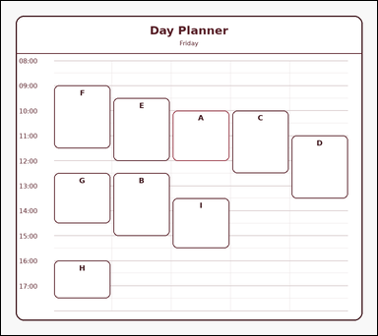 | 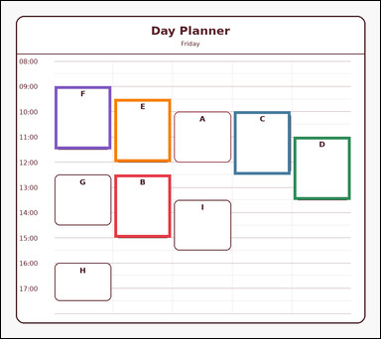 | task_temporal_schedule_day_planner | longer_than_reference_count | Use the schedule in the image. It shows one single-day schedule with time labels, 9 scheduled event blocks, and one highlighted reference event. Read the schedule carefully and answer the question. How many event blocks are longer than the highlighted reference event? Return a valid JSON object with keys "evidence" and "answer" in that order. Evidence field: set "evidence" to an array of bounding boxes [x1, y1, x2, y2] for all event blocks that satisfy the query. Answer field: set "answer" to the integer count of events that are longer than the reference event. Example JSON: {"evidence":[[250,240,396,408],[404,430,550,634],[558,352,704,568]],"answer":3} | Use the schedule in the image. It shows one single-day schedule with time labels, 9 scheduled event blocks, and one highlighted reference event. Read the schedule carefully and answer the question. How many event blocks are longer than the highlighted reference event? Return a valid JSON object with key "answer". Answer format: set "answer" to the integer count of events that are longer than the reference event. Example JSON: {"answer":3} | {"evidence": [[275.2, 422.3, 412.4, 575.8], [565.6, 268.8, 702.8, 422.3], [710.8, 330.2, 848.0, 483.7], [275.2, 238.1, 412.4, 391.6], [130.0, 207.4, 267.2, 360.9]], "answer": 5} | [[275.2, 422.3, 412.4, 575.8], [565.6, 268.8, 702.8, 422.3], [710.8, 330.2, 848.0, 483.7], [275.2, 238.1, 412.4, 391.6], [130.0, 207.4, 267.2, 360.9]] | integer | bbox_set | 2.2877115415E+15 | temporal/task_temporal_schedule_day_planner/images/longer_than_reference_count/0019.png | temporal/task_temporal_schedule_day_planner/data/longer_than_reference_count/0019.json
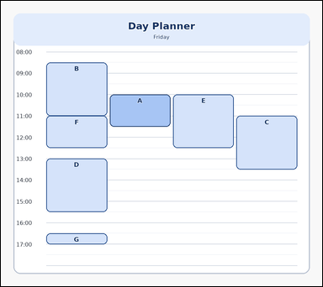 | 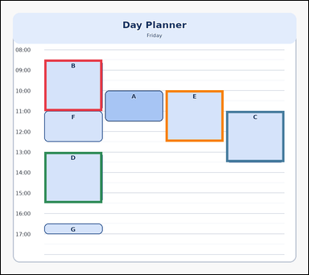 | task_temporal_schedule_day_planner | longer_than_reference_count | The image shows one single-day schedule with time labels, 7 scheduled event blocks, and one highlighted reference event. Determine the answer from the shown schedule. How many scheduled events are longer than the highlighted reference event? Return a valid JSON object with keys "evidence" and "answer" in that order. Evidence: set "evidence" to an array of bounding boxes [x1, y1, x2, y2] for all event blocks that satisfy the query. Answer: set "answer" to the integer count of events that are longer than the reference event. Example JSON: {"evidence":[[250,240,396,408],[404,430,550,634],[558,352,704,568]],"answer":3} | The image shows one single-day schedule with time labels, 7 scheduled event blocks, and one highlighted reference event. Determine the answer from the shown schedule. How many scheduled events are longer than the highlighted reference event? Return a valid JSON object with key "answer". Answer field: set "answer" to the integer count of events that are longer than the reference event. Example JSON: {"answer":3} | {"evidence": [[130.0, 176.7, 303.5, 330.2], [674.5, 330.2, 848.0, 483.7], [130.0, 453.0, 303.5, 606.5], [493.0, 268.8, 666.5, 422.3]], "answer": 4} | [[130.0, 176.7, 303.5, 330.2], [674.5, 330.2, 848.0, 483.7], [130.0, 453.0, 303.5, 606.5], [493.0, 268.8, 666.5, 422.3]] | integer | bbox_set | 2.4444649636E+15 | temporal/task_temporal_schedule_day_planner/images/longer_than_reference_count/0012.png | temporal/task_temporal_schedule_day_planner/data/longer_than_reference_count/0012.json
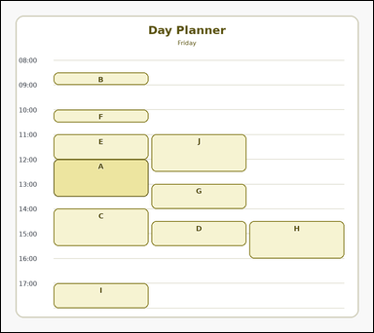 |  | task_temporal_schedule_day_planner | longer_than_reference_count | Work from the day planner shown in the image: one single-day schedule with time labels, 10 scheduled event blocks, and one highlighted reference event. Read the schedule carefully and answer the question. Count the scheduled events with a longer duration than the highlighted reference event. Return a valid JSON object with keys "evidence" and "answer" in that order. Evidence field: set "evidence" to an array of bounding boxes [x1, y1, x2, y2] for all event blocks that satisfy the query. Answer field: set "answer" to the integer count of events that are longer than the reference event. Example JSON: {"evidence":[[250,240,396,408],[404,430,550,634],[558,352,704,568]],"answer":3} | Work from the day planner shown in the image: one single-day schedule with time labels, 10 scheduled event blocks, and one highlighted reference event. Read the schedule carefully and answer the question. Count the scheduled events with a longer duration than the highlighted reference event. Return a valid JSON object with key "answer". Answer field: set "answer" to the integer count of events that are longer than the reference event. Example JSON: {"answer":3} | {"evidence": [], "answer": 0} | [] | integer | bbox_set | 4.4411181475E+15 | temporal/task_temporal_schedule_day_planner/images/longer_than_reference_count/0014.png | temporal/task_temporal_schedule_day_planner/data/longer_than_reference_count/0014.json
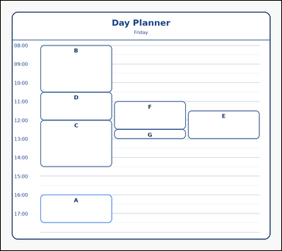 | 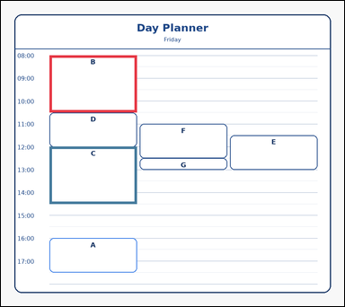 | task_temporal_schedule_day_planner | longer_than_reference_count | Look at the single-day schedule in the image. It shows one single-day schedule with time labels, 7 scheduled event blocks, and one highlighted reference event. Read the schedule carefully and answer the question. Among the scheduled events, how many last longer than the highlighted reference event? Return a valid JSON object with keys "evidence" and "answer" in that order. Evidence requirement: set "evidence" to an array of bounding boxes [x1, y1, x2, y2] for all event blocks that satisfy the query. Answer format: set "answer" to the integer count of events that are longer than the reference event. Example JSON: {"evidence":[[250,240,396,408],[404,430,550,634],[558,352,704,568]],"answer":3} | Look at the single-day schedule in the image. It shows one single-day schedule with time labels, 7 scheduled event blocks, and one highlighted reference event. Read the schedule carefully and answer the question. Among the scheduled events, how many last longer than the highlighted reference event? Return a valid JSON object with key "answer". Answer format: set "answer" to the integer count of events that are longer than the reference event. Example JSON: {"answer":3} | {"evidence": [[130.0, 146.0, 364.0, 299.5], [130.0, 391.6, 364.0, 545.1]], "answer": 2} | [[130.0, 146.0, 364.0, 299.5], [130.0, 391.6, 364.0, 545.1]] | integer | bbox_set | 4.5418546015E+15 | temporal/task_temporal_schedule_day_planner/images/longer_than_reference_count/0003.png | temporal/task_temporal_schedule_day_planner/data/longer_than_reference_count/0003.json
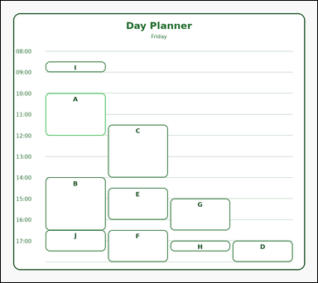 | 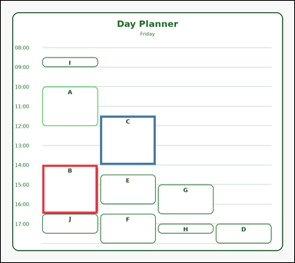 | task_temporal_schedule_day_planner | longer_than_reference_count | Work from the day planner shown in the image: one single-day schedule with time labels, 10 scheduled event blocks, and one highlighted reference event. Determine the answer from the shown schedule. How many event blocks are longer than the highlighted reference event? Return a valid JSON object with keys "evidence" and "answer" in that order. Evidence field: set "evidence" to an array of bounding boxes [x1, y1, x2, y2] for all event blocks that satisfy the query. Answer field: set "answer" to the integer count of events that are longer than the reference event. Example JSON: {"evidence":[[250,240,396,408],[404,430,550,634],[558,352,704,568]],"answer":3} | Work from the day planner shown in the image: one single-day schedule with time labels, 10 scheduled event blocks, and one highlighted reference event. Determine the answer from the shown schedule. How many event blocks are longer than the highlighted reference event? Return a valid JSON object with key "answer". Answer rule: set "answer" to the integer count of events that are longer than the reference event. Example JSON: {"answer":3} | {"evidence": [[130.0, 514.4, 303.5, 667.9], [311.5, 360.9, 485.0, 514.4]], "answer": 2} | [[130.0, 514.4, 303.5, 667.9], [311.5, 360.9, 485.0, 514.4]] | integer | bbox_set | 4.6057977592E+15 | temporal/task_temporal_schedule_day_planner/images/longer_than_reference_count/0015.png | temporal/task_temporal_schedule_day_planner/data/longer_than_reference_count/0015.json
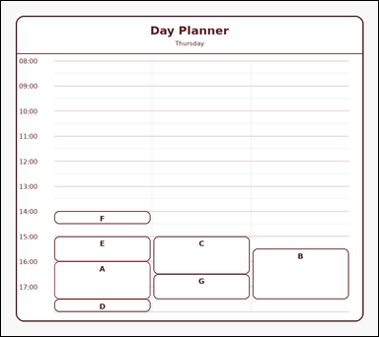 | 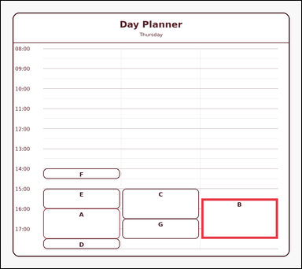 | task_temporal_schedule_day_planner | longer_than_reference_count | The image shows one single-day schedule with time labels, 7 scheduled event blocks, and one highlighted reference event. Use the day planner to answer the question. Count the events whose duration is longer than the highlighted reference event. Return a valid JSON object with keys "evidence" and "answer" in that order. Evidence: set "evidence" to an array of bounding boxes [x1, y1, x2, y2] for all event blocks that satisfy the query. Answer: set "answer" to the integer count of events that are longer than the reference event. Example JSON: {"evidence":[[250,240,396,408],[404,430,550,634],[558,352,704,568]],"answer":3} | The image shows one single-day schedule with time labels, 7 scheduled event blocks, and one highlighted reference event. Use the day planner to answer the question. Count the events whose duration is longer than the highlighted reference event. Return a valid JSON object with key "answer". Answer requirement: set "answer" to the integer count of events that are longer than the reference event. Example JSON: {"answer":3} | {"evidence": [[614.0, 606.5, 848.0, 729.3]], "answer": 1} | [[614.0, 606.5, 848.0, 729.3]] | integer | bbox_set | 4.9695760512E+15 | temporal/task_temporal_schedule_day_planner/images/longer_than_reference_count/0006.png | temporal/task_temporal_schedule_day_planner/data/longer_than_reference_count/0006.json
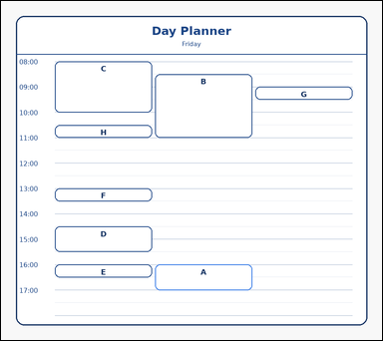 | 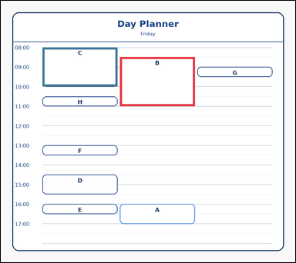 | task_temporal_schedule_day_planner | longer_than_reference_count | Use the schedule in the image. It shows one single-day schedule with time labels, 8 scheduled event blocks, and one highlighted reference event. Determine the answer from the shown schedule. Count the scheduled events with a longer duration than the highlighted reference event. Return a valid JSON object with keys "evidence" and "answer" in that order. Evidence rule: set "evidence" to an array of bounding boxes [x1, y1, x2, y2] for all event blocks that satisfy the query. Answer rule: set "answer" to the integer count of events that are longer than the reference event. Example JSON: {"evidence":[[250,240,396,408],[404,430,550,634],[558,352,704,568]],"answer":3} | Use the schedule in the image. It shows one single-day schedule with time labels, 8 scheduled event blocks, and one highlighted reference event. Determine the answer from the shown schedule. Count the scheduled events with a longer duration than the highlighted reference event. Return a valid JSON object with key "answer". Answer requirement: set "answer" to the integer count of events that are longer than the reference event. Example JSON: {"answer":3} | {"evidence": [[372.0, 176.7, 606.0, 330.2], [130.0, 146.0, 364.0, 268.8]], "answer": 2} | [[372.0, 176.7, 606.0, 330.2], [130.0, 146.0, 364.0, 268.8]] | integer | bbox_set | 5.7600996707E+15 | temporal/task_temporal_schedule_day_planner/images/longer_than_reference_count/0021.png | temporal/task_temporal_schedule_day_planner/data/longer_than_reference_count/0021.json
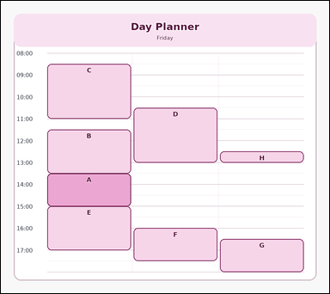 | 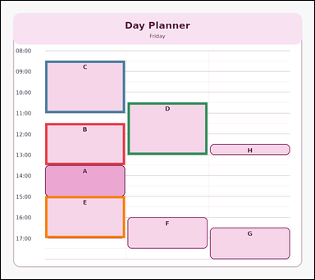 | task_temporal_schedule_day_planner | longer_than_reference_count | Look at the single-day schedule in the image. It shows one single-day schedule with time labels, 8 scheduled event blocks, and one highlighted reference event. Answer the question using the schedule. Among the scheduled events, how many last longer than the highlighted reference event? Return a valid JSON object with keys "evidence" and "answer" in that order. Evidence: set "evidence" to an array of bounding boxes [x1, y1, x2, y2] for all event blocks that satisfy the query. Answer: set "answer" to the integer count of events that are longer than the reference event. Example JSON: {"evidence":[[250,240,396,408],[404,430,550,634],[558,352,704,568]],"answer":3} | Look at the single-day schedule in the image. It shows one single-day schedule with time labels, 8 scheduled event blocks, and one highlighted reference event. Answer the question using the schedule. Among the scheduled events, how many last longer than the highlighted reference event? Return a valid JSON object with key "answer". Answer format: set "answer" to the integer count of events that are longer than the reference event. Example JSON: {"answer":3} | {"evidence": [[130.0, 360.9, 364.0, 483.7], [130.0, 176.7, 364.0, 330.2], [372.0, 299.5, 606.0, 453.0], [130.0, 575.8, 364.0, 698.6]], "answer": 4} | [[130.0, 360.9, 364.0, 483.7], [130.0, 176.7, 364.0, 330.2], [372.0, 299.5, 606.0, 453.0], [130.0, 575.8, 364.0, 698.6]] | integer | bbox_set | 6.4297340739E+15 | temporal/task_temporal_schedule_day_planner/images/longer_than_reference_count/0020.png | temporal/task_temporal_schedule_day_planner/data/longer_than_reference_count/0020.json
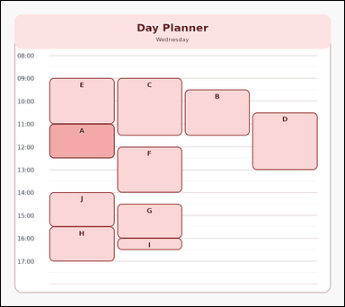 | 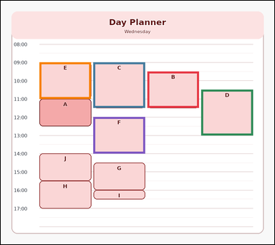 | task_temporal_schedule_day_planner | longer_than_reference_count | The image shows one single-day schedule with time labels, 10 scheduled event blocks, and one highlighted reference event. Determine the answer from the shown schedule. Count the events whose duration is longer than the highlighted reference event. Return a valid JSON object with keys "evidence" and "answer" in that order. Evidence: set "evidence" to an array of bounding boxes [x1, y1, x2, y2] for all event blocks that satisfy the query. Answer: set "answer" to the integer count of events that are longer than the reference event. Example JSON: {"evidence":[[250,240,396,408],[404,430,550,634],[558,352,704,568]],"answer":3} | The image shows one single-day schedule with time labels, 10 scheduled event blocks, and one highlighted reference event. Determine the answer from the shown schedule. Count the events whose duration is longer than the highlighted reference event. Return a valid JSON object with key "answer". Answer format: set "answer" to the integer count of events that are longer than the reference event. Example JSON: {"answer":3} | {"evidence": [[493.0, 238.1, 666.5, 360.9], [311.5, 207.4, 485.0, 360.9], [674.5, 299.5, 848.0, 453.0], [130.0, 207.4, 303.5, 330.2], [311.5, 391.6, 485.0, 514.4]], "answer": 5} | [[493.0, 238.1, 666.5, 360.9], [311.5, 207.4, 485.0, 360.9], [674.5, 299.5, 848.0, 453.0], [130.0, 207.4, 303.5, 330.2], [311.5, 391.6, 485.0, 514.4]] | integer | bbox_set | 6.4486673565E+15 | temporal/task_temporal_schedule_day_planner/images/longer_than_reference_count/0007.png | temporal/task_temporal_schedule_day_planner/data/longer_than_reference_count/0007.json
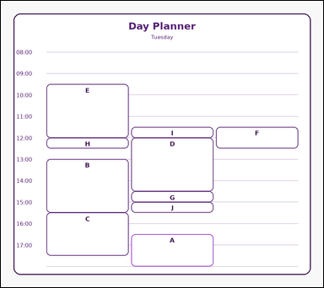 | 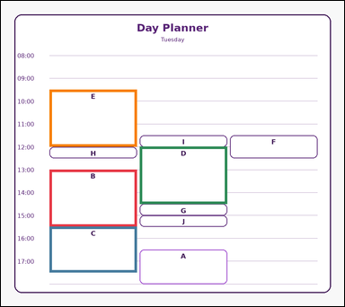 | task_temporal_schedule_day_planner | longer_than_reference_count | Use the schedule in the image. It shows one single-day schedule with time labels, 10 scheduled event blocks, and one highlighted reference event. Determine the answer from the shown schedule. Count the events whose duration is longer than the highlighted reference event. Return a valid JSON object with keys "evidence" and "answer" in that order. Evidence rule: set "evidence" to an array of bounding boxes [x1, y1, x2, y2] for all event blocks that satisfy the query. Answer rule: set "answer" to the integer count of events that are longer than the reference event. Example JSON: {"evidence":[[250,240,396,408],[404,430,550,634],[558,352,704,568]],"answer":3} | Use the schedule in the image. It shows one single-day schedule with time labels, 10 scheduled event blocks, and one highlighted reference event. Determine the answer from the shown schedule. Count the events whose duration is longer than the highlighted reference event. Return a valid JSON object with key "answer". Answer: set "answer" to the integer count of events that are longer than the reference event. Example JSON: {"answer":3} | {"evidence": [[130.0, 453.0, 364.0, 606.5], [130.0, 606.5, 364.0, 729.3], [372.0, 391.6, 606.0, 545.1], [130.0, 238.1, 364.0, 391.6]], "answer": 4} | [[130.0, 453.0, 364.0, 606.5], [130.0, 606.5, 364.0, 729.3], [372.0, 391.6, 606.0, 545.1], [130.0, 238.1, 364.0, 391.6]] | integer | bbox_set | 6.8327291103E+15 | temporal/task_temporal_schedule_day_planner/images/longer_than_reference_count/0009.png | temporal/task_temporal_schedule_day_planner/data/longer_than_reference_count/0009.json
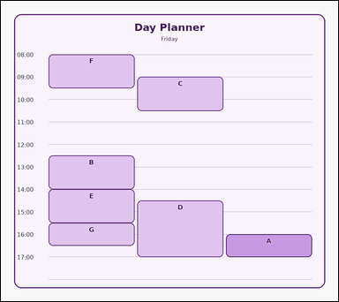 | 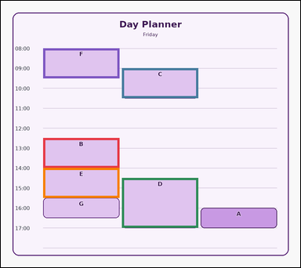 | task_temporal_schedule_day_planner | longer_than_reference_count | Look at the single-day schedule in the image. It shows one single-day schedule with time labels, 7 scheduled event blocks, and one highlighted reference event. Determine the answer from the shown schedule. Count the scheduled events with a longer duration than the highlighted reference event. Return a valid JSON object with keys "evidence" and "answer" in that order. Evidence format: set "evidence" to an array of bounding boxes [x1, y1, x2, y2] for all event blocks that satisfy the query. Answer requirement: set "answer" to the integer count of events that are longer than the reference event. Example JSON: {"evidence":[[250,240,396,408],[404,430,550,634],[558,352,704,568]],"answer":3} | Look at the single-day schedule in the image. It shows one single-day schedule with time labels, 7 scheduled event blocks, and one highlighted reference event. Determine the answer from the shown schedule. Count the scheduled events with a longer duration than the highlighted reference event. Return a valid JSON object with key "answer". Answer field: set "answer" to the integer count of events that are longer than the reference event. Example JSON: {"answer":3} | {"evidence": [[130.0, 422.3, 364.0, 514.4], [372.0, 207.4, 606.0, 299.5], [372.0, 545.1, 606.0, 698.6], [130.0, 514.4, 364.0, 606.5], [130.0, 146.0, 364.0, 238.1]], "answer": 5} | [[130.0, 422.3, 364.0, 514.4], [372.0, 207.4, 606.0, 299.5], [372.0, 545.1, 606.0, 698.6], [130.0, 514.4, 364.0, 606.5], [130.0, 146.0, 364.0, 238.1]] | integer | bbox_set | 7.0753647042E+15 | temporal/task_temporal_schedule_day_planner/images/longer_than_reference_count/0001.png | temporal/task_temporal_schedule_day_planner/data/longer_than_reference_count/0001.json
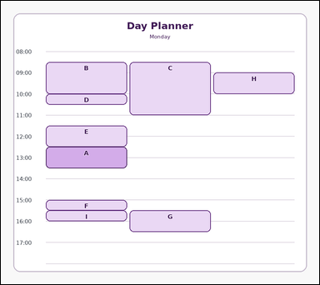 | 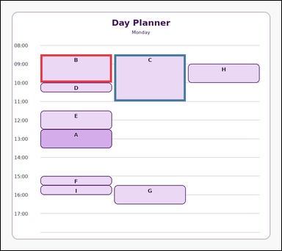 | task_temporal_schedule_day_planner | longer_than_reference_count | You are given an image with one single-day schedule with time labels, 9 scheduled event blocks, and one highlighted reference event. Determine the answer from the shown schedule. Count the events whose duration is longer than the highlighted reference event. Return a valid JSON object with keys "evidence" and "answer" in that order. Evidence requirement: set "evidence" to an array of bounding boxes [x1, y1, x2, y2] for all event blocks that satisfy the query. Answer format: set "answer" to the integer count of events that are longer than the reference event. Example JSON: {"evidence":[[250,240,396,408],[404,430,550,634],[558,352,704,568]],"answer":3} | You are given an image with one single-day schedule with time labels, 9 scheduled event blocks, and one highlighted reference event. Determine the answer from the shown schedule. Count the events whose duration is longer than the highlighted reference event. Return a valid JSON object with key "answer". Answer rule: set "answer" to the integer count of events that are longer than the reference event. Example JSON: {"answer":3} | {"evidence": [[130.0, 176.7, 364.0, 268.8], [372.0, 176.7, 606.0, 330.2]], "answer": 2} | [[130.0, 176.7, 364.0, 268.8], [372.0, 176.7, 606.0, 330.2]] | integer | bbox_set | 7.2259948601E+15 | temporal/task_temporal_schedule_day_planner/images/longer_than_reference_count/0013.png | temporal/task_temporal_schedule_day_planner/data/longer_than_reference_count/0013.json
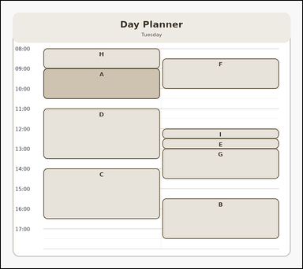 | 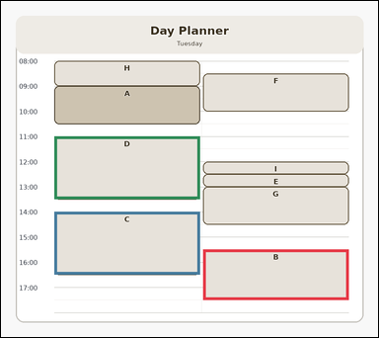 | task_temporal_schedule_day_planner | longer_than_reference_count | Look at the single-day schedule in the image. It shows one single-day schedule with time labels, 9 scheduled event blocks, and one highlighted reference event. Use the day planner to answer the question. Count the scheduled events with a longer duration than the highlighted reference event. Return a valid JSON object with keys "evidence" and "answer" in that order. Evidence: set "evidence" to an array of bounding boxes [x1, y1, x2, y2] for all event blocks that satisfy the query. Answer: set "answer" to the integer count of events that are longer than the reference event. Example JSON: {"evidence":[[250,240,396,408],[404,430,550,634],[558,352,704,568]],"answer":3} | Look at the single-day schedule in the image. It shows one single-day schedule with time labels, 9 scheduled event blocks, and one highlighted reference event. Use the day planner to answer the question. Count the scheduled events with a longer duration than the highlighted reference event. Return a valid JSON object with key "answer". Answer format: set "answer" to the integer count of events that are longer than the reference event. Example JSON: {"answer":3} | {"evidence": [[493.0, 606.5, 848.0, 729.3], [130.0, 514.4, 485.0, 667.9], [130.0, 330.2, 485.0, 483.7]], "answer": 3} | [[493.0, 606.5, 848.0, 729.3], [130.0, 514.4, 485.0, 667.9], [130.0, 330.2, 485.0, 483.7]] | integer | bbox_set | 7.3755899723E+15 | temporal/task_temporal_schedule_day_planner/images/longer_than_reference_count/0023.png | temporal/task_temporal_schedule_day_planner/data/longer_than_reference_count/0023.json
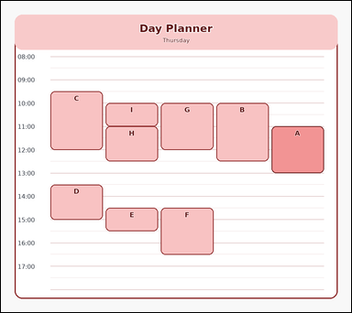 | 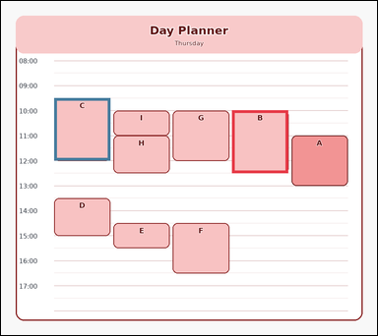 | task_temporal_schedule_day_planner | longer_than_reference_count | Look at the single-day schedule in the image. It shows one single-day schedule with time labels, 9 scheduled event blocks, and one highlighted reference event. Answer the question using the schedule. Among the scheduled events, how many last longer than the highlighted reference event? Return a valid JSON object with keys "evidence" and "answer" in that order. Evidence format: set "evidence" to an array of bounding boxes [x1, y1, x2, y2] for all event blocks that satisfy the query. Answer requirement: set "answer" to the integer count of events that are longer than the reference event. Example JSON: {"evidence":[[250,240,396,408],[404,430,550,634],[558,352,704,568]],"answer":3} | Look at the single-day schedule in the image. It shows one single-day schedule with time labels, 9 scheduled event blocks, and one highlighted reference event. Answer the question using the schedule. Among the scheduled events, how many last longer than the highlighted reference event? Return a valid JSON object with key "answer". Answer format: set "answer" to the integer count of events that are longer than the reference event. Example JSON: {"answer":3} | {"evidence": [[565.6, 268.8, 702.8, 422.3], [130.0, 238.1, 267.2, 391.6]], "answer": 2} | [[565.6, 268.8, 702.8, 422.3], [130.0, 238.1, 267.2, 391.6]] | integer | bbox_set | 7.8019282012E+15 | temporal/task_temporal_schedule_day_planner/images/longer_than_reference_count/0018.png | temporal/task_temporal_schedule_day_planner/data/longer_than_reference_count/0018.json
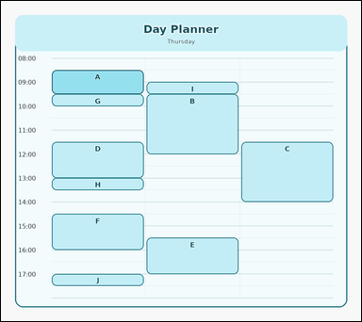 | 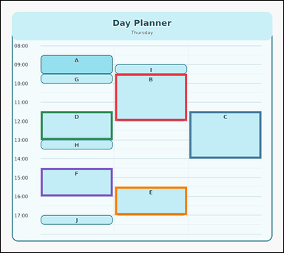 | task_temporal_schedule_day_planner | longer_than_reference_count | The image shows one single-day schedule with time labels, 10 scheduled event blocks, and one highlighted reference event. Use the day planner to answer the question. Count the events whose duration is longer than the highlighted reference event. Return a valid JSON object with keys "evidence" and "answer" in that order. Evidence requirement: set "evidence" to an array of bounding boxes [x1, y1, x2, y2] for all event blocks that satisfy the query. Answer format: set "answer" to the integer count of events that are longer than the reference event. Example JSON: {"evidence":[[250,240,396,408],[404,430,550,634],[558,352,704,568]],"answer":3} | The image shows one single-day schedule with time labels, 10 scheduled event blocks, and one highlighted reference event. Use the day planner to answer the question. Count the events whose duration is longer than the highlighted reference event. Return a valid JSON object with key "answer". Answer field: set "answer" to the integer count of events that are longer than the reference event. Example JSON: {"answer":3} | {"evidence": [[372.0, 238.1, 606.0, 391.6], [614.0, 360.9, 848.0, 514.4], [130.0, 360.9, 364.0, 453.0], [372.0, 606.5, 606.0, 698.6], [130.0, 545.1, 364.0, 637.2]], "answer": 5} | [[372.0, 238.1, 606.0, 391.6], [614.0, 360.9, 848.0, 514.4], [130.0, 360.9, 364.0, 453.0], [372.0, 606.5, 606.0, 698.6], [130.0, 545.1, 364.0, 637.2]] | integer | bbox_set | 7.8694659553E+15 | temporal/task_temporal_schedule_day_planner/images/longer_than_reference_count/0017.png | temporal/task_temporal_schedule_day_planner/data/longer_than_reference_count/0017.json
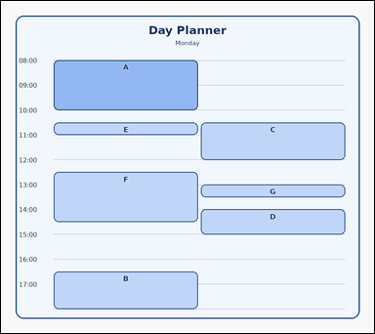 |  | task_temporal_schedule_day_planner | longer_than_reference_count | Use the schedule in the image. It shows one single-day schedule with time labels, 7 scheduled event blocks, and one highlighted reference event. Use the day planner to answer the question. Count the scheduled events with a longer duration than the highlighted reference event. Return a valid JSON object with keys "evidence" and "answer" in that order. Evidence format: set "evidence" to an array of bounding boxes [x1, y1, x2, y2] for all event blocks that satisfy the query. Answer requirement: set "answer" to the integer count of events that are longer than the reference event. Example JSON: {"evidence":[[250,240,396,408],[404,430,550,634],[558,352,704,568]],"answer":3} | Use the schedule in the image. It shows one single-day schedule with time labels, 7 scheduled event blocks, and one highlighted reference event. Use the day planner to answer the question. Count the scheduled events with a longer duration than the highlighted reference event. Return a valid JSON object with key "answer". Answer: set "answer" to the integer count of events that are longer than the reference event. Example JSON: {"answer":3} | {"evidence": [], "answer": 0} | [] | integer | bbox_set | 8.0499760636E+15 | temporal/task_temporal_schedule_day_planner/images/longer_than_reference_count/0000.png | temporal/task_temporal_schedule_day_planner/data/longer_than_reference_count/0000.json
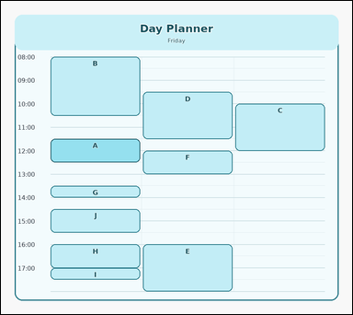 | 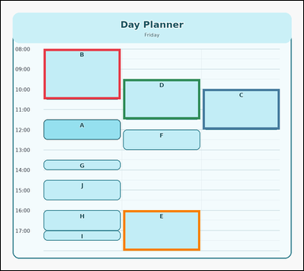 | task_temporal_schedule_day_planner | longer_than_reference_count | Use the schedule in the image. It shows one single-day schedule with time labels, 10 scheduled event blocks, and one highlighted reference event. Answer the question using the schedule. How many scheduled events are longer than the highlighted reference event? Return a valid JSON object with keys "evidence" and "answer" in that order. Evidence format: set "evidence" to an array of bounding boxes [x1, y1, x2, y2] for all event blocks that satisfy the query. Answer requirement: set "answer" to the integer count of events that are longer than the reference event. Example JSON: {"evidence":[[250,240,396,408],[404,430,550,634],[558,352,704,568]],"answer":3} | Use the schedule in the image. It shows one single-day schedule with time labels, 10 scheduled event blocks, and one highlighted reference event. Answer the question using the schedule. How many scheduled events are longer than the highlighted reference event? Return a valid JSON object with key "answer". Answer requirement: set "answer" to the integer count of events that are longer than the reference event. Example JSON: {"answer":3} | {"evidence": [[130.0, 146.0, 364.0, 299.5], [614.0, 268.8, 848.0, 391.6], [372.0, 238.1, 606.0, 360.9], [372.0, 637.2, 606.0, 760.0]], "answer": 4} | [[130.0, 146.0, 364.0, 299.5], [614.0, 268.8, 848.0, 391.6], [372.0, 238.1, 606.0, 360.9], [372.0, 637.2, 606.0, 760.0]] | integer | bbox_set | 8.1605611825E+15 | temporal/task_temporal_schedule_day_planner/images/longer_than_reference_count/0010.png | temporal/task_temporal_schedule_day_planner/data/longer_than_reference_count/0010.json
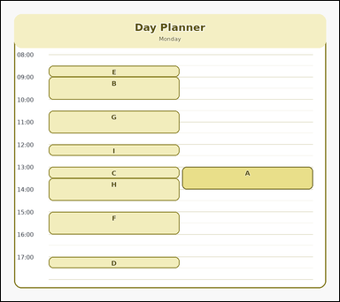 |  | task_temporal_schedule_day_planner | longer_than_reference_count | Work from the day planner shown in the image: one single-day schedule with time labels, 9 scheduled event blocks, and one highlighted reference event. Determine the answer from the shown schedule. Among the scheduled events, how many last longer than the highlighted reference event? Return a valid JSON object with keys "evidence" and "answer" in that order. Evidence rule: set "evidence" to an array of bounding boxes [x1, y1, x2, y2] for all event blocks that satisfy the query. Answer rule: set "answer" to the integer count of events that are longer than the reference event. Example JSON: {"evidence":[[250,240,396,408],[404,430,550,634],[558,352,704,568]],"answer":3} | Work from the day planner shown in the image: one single-day schedule with time labels, 9 scheduled event blocks, and one highlighted reference event. Determine the answer from the shown schedule. Among the scheduled events, how many last longer than the highlighted reference event? Return a valid JSON object with key "answer". Answer field: set "answer" to the integer count of events that are longer than the reference event. Example JSON: {"answer":3} | {"evidence": [], "answer": 0} | [] | integer | bbox_set | 8.3111621621E+15 | temporal/task_temporal_schedule_day_planner/images/longer_than_reference_count/0011.png | temporal/task_temporal_schedule_day_planner/data/longer_than_reference_count/0011.json
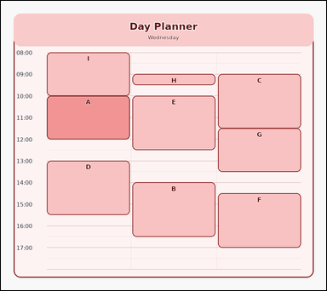 | 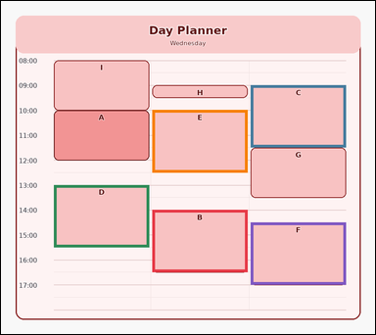 | task_temporal_schedule_day_planner | longer_than_reference_count | Use the schedule in the image. It shows one single-day schedule with time labels, 9 scheduled event blocks, and one highlighted reference event. Determine the answer from the shown schedule. How many event blocks are longer than the highlighted reference event? Return a valid JSON object with keys "evidence" and "answer" in that order. Evidence requirement: set "evidence" to an array of bounding boxes [x1, y1, x2, y2] for all event blocks that satisfy the query. Answer format: set "answer" to the integer count of events that are longer than the reference event. Example JSON: {"evidence":[[250,240,396,408],[404,430,550,634],[558,352,704,568]],"answer":3} | Use the schedule in the image. It shows one single-day schedule with time labels, 9 scheduled event blocks, and one highlighted reference event. Determine the answer from the shown schedule. How many event blocks are longer than the highlighted reference event? Return a valid JSON object with key "answer". Answer: set "answer" to the integer count of events that are longer than the reference event. Example JSON: {"answer":3} | {"evidence": [[372.0, 514.4, 606.0, 667.9], [614.0, 207.4, 848.0, 360.9], [130.0, 453.0, 364.0, 606.5], [372.0, 268.8, 606.0, 422.3], [614.0, 545.1, 848.0, 698.6]], "answer": 5} | [[372.0, 514.4, 606.0, 667.9], [614.0, 207.4, 848.0, 360.9], [130.0, 453.0, 364.0, 606.5], [372.0, 268.8, 606.0, 422.3], [614.0, 545.1, 848.0, 698.6]] | integer | bbox_set | 8.6342996309E+15 | temporal/task_temporal_schedule_day_planner/images/longer_than_reference_count/0022.png | temporal/task_temporal_schedule_day_planner/data/longer_than_reference_count/0022.json
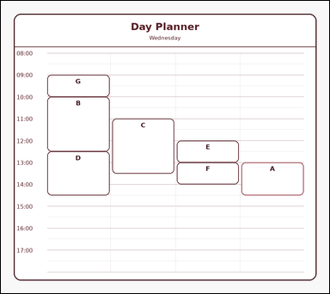 | 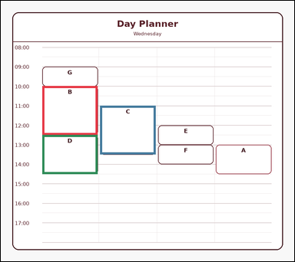 | task_temporal_schedule_day_planner | longer_than_reference_count | The image shows one single-day schedule with time labels, 7 scheduled event blocks, and one highlighted reference event. Read the schedule carefully and answer the question. Count the events whose duration is longer than the highlighted reference event. Return a valid JSON object with keys "evidence" and "answer" in that order. Evidence: set "evidence" to an array of bounding boxes [x1, y1, x2, y2] for all event blocks that satisfy the query. Answer: set "answer" to the integer count of events that are longer than the reference event. Example JSON: {"evidence":[[250,240,396,408],[404,430,550,634],[558,352,704,568]],"answer":3} | The image shows one single-day schedule with time labels, 7 scheduled event blocks, and one highlighted reference event. Read the schedule carefully and answer the question. Count the events whose duration is longer than the highlighted reference event. Return a valid JSON object with key "answer". Answer: set "answer" to the integer count of events that are longer than the reference event. Example JSON: {"answer":3} | {"evidence": [[130.0, 268.8, 303.5, 422.3], [311.5, 330.2, 485.0, 483.7], [130.0, 422.3, 303.5, 545.1]], "answer": 3} | [[130.0, 268.8, 303.5, 422.3], [311.5, 330.2, 485.0, 483.7], [130.0, 422.3, 303.5, 545.1]] | integer | bbox_set | 8.9256358556E+15 | temporal/task_temporal_schedule_day_planner/images/longer_than_reference_count/0002.png | temporal/task_temporal_schedule_day_planner/data/longer_than_reference_count/0002.json

maximum_non_overlapping_count
image | evidence_image | task | task_variant | prompt | prompt_answer_only | answer | answer_evidence | answer_type | evidence_type | instance_seed | image_path | data_path
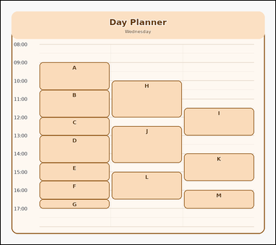 | 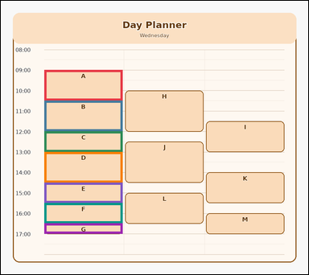 | task_temporal_schedule_day_planner | maximum_non_overlapping_count | Use the schedule in the image. It shows one single-day schedule with time labels and 13 scheduled event blocks. Determine the answer from the shown schedule. How many scheduled events can be selected at most so that none overlap? Return a valid JSON object with keys "evidence" and "answer" in that order. Evidence requirement: set "evidence" to an array of bounding boxes [x1, y1, x2, y2] for the unique maximum-size non-overlapping event set. Answer format: set "answer" to the maximum number of non-overlapping events as an integer. Example JSON: {"evidence":[[250,220,396,316],[404,316,550,412],[558,412,704,508],[250,508,396,604]],"answer":4} | Use the schedule in the image. It shows one single-day schedule with time labels and 13 scheduled event blocks. Determine the answer from the shown schedule. How many scheduled events can be selected at most so that none overlap? Return a valid JSON object with key "answer". Answer: set "answer" to the maximum number of non-overlapping events as an integer. Example JSON: {"answer":4} | {"evidence": [[130.0, 207.4, 364.0, 299.5], [130.0, 299.5, 364.0, 391.6], [130.0, 391.6, 364.0, 453.0], [130.0, 453.0, 364.0, 545.1], [130.0, 545.1, 364.0, 606.5], [130.0, 606.5, 364.0, 667.9], [130.0, 667.9, 364.0, 698.6]], "answer": 7} | [[130.0, 207.4, 364.0, 299.5], [130.0, 299.5, 364.0, 391.6], [130.0, 391.6, 364.0, 453.0], [130.0, 453.0, 364.0, 545.1], [130.0, 545.1, 364.0, 606.5], [130.0, 606.5, 364.0, 667.9], [130.0, 667.9, 364.0, 698.6]] | integer | bbox_set | 328112002228185 | temporal/task_temporal_schedule_day_planner/images/maximum_non_overlapping_count/0002.png | temporal/task_temporal_schedule_day_planner/data/maximum_non_overlapping_count/0002.json
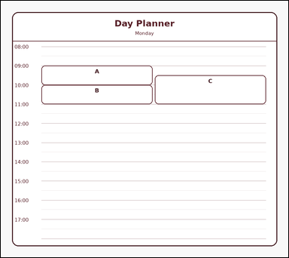 | 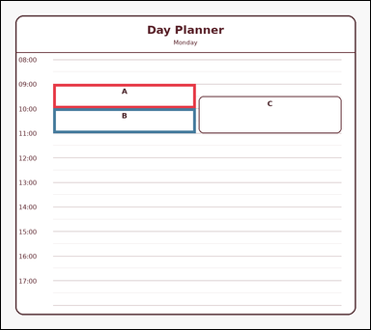 | task_temporal_schedule_day_planner | maximum_non_overlapping_count | The image shows one single-day schedule with time labels and 3 scheduled event blocks. Read the schedule carefully and answer the question. What is the maximum number of scheduled events that can be selected without any overlap? Return a valid JSON object with keys "evidence" and "answer" in that order. Evidence: set "evidence" to an array of bounding boxes [x1, y1, x2, y2] for the unique maximum-size non-overlapping event set. Answer: set "answer" to the maximum number of non-overlapping events as an integer. Example JSON: {"evidence":[[250,220,396,316],[404,316,550,412],[558,412,704,508],[250,508,396,604]],"answer":4} | The image shows one single-day schedule with time labels and 3 scheduled event blocks. Read the schedule carefully and answer the question. What is the maximum number of scheduled events that can be selected without any overlap? Return a valid JSON object with key "answer". Answer: set "answer" to the maximum number of non-overlapping events as an integer. Example JSON: {"answer":4} | {"evidence": [[130.0, 207.4, 485.0, 268.8], [130.0, 268.8, 485.0, 330.2]], "answer": 2} | [[130.0, 207.4, 485.0, 268.8], [130.0, 268.8, 485.0, 330.2]] | integer | bbox_set | 504610436925956 | temporal/task_temporal_schedule_day_planner/images/maximum_non_overlapping_count/0018.png | temporal/task_temporal_schedule_day_planner/data/maximum_non_overlapping_count/0018.json
 |  | task_temporal_schedule_day_planner | maximum_non_overlapping_count | Look at the single-day schedule in the image. It shows one single-day schedule with time labels and 3 scheduled event blocks. Determine the answer from the shown schedule. What is the maximum number of scheduled events that can be selected without any overlap? Return a valid JSON object with keys "evidence" and "answer" in that order. Evidence: set "evidence" to an array of bounding boxes [x1, y1, x2, y2] for the unique maximum-size non-overlapping event set. Answer: set "answer" to the maximum number of non-overlapping events as an integer. Example JSON: {"evidence":[[250,220,396,316],[404,316,550,412],[558,412,704,508],[250,508,396,604]],"answer":4} | Look at the single-day schedule in the image. It shows one single-day schedule with time labels and 3 scheduled event blocks. Determine the answer from the shown schedule. What is the maximum number of scheduled events that can be selected without any overlap? Return a valid JSON object with key "answer". Answer format: set "answer" to the maximum number of non-overlapping events as an integer. Example JSON: {"answer":4} | {"evidence": [[130.0, 268.8, 485.0, 330.2], [130.0, 330.2, 485.0, 391.6]], "answer": 2} | [[130.0, 268.8, 485.0, 330.2], [130.0, 330.2, 485.0, 391.6]] | integer | bbox_set | 505929000767092 | temporal/task_temporal_schedule_day_planner/images/maximum_non_overlapping_count/0024.png | temporal/task_temporal_schedule_day_planner/data/maximum_non_overlapping_count/0024.json
 |  | task_temporal_schedule_day_planner | maximum_non_overlapping_count | You are given an image with one single-day schedule with time labels and 13 scheduled event blocks. Work from the full schedule view to answer the question. Find the maximum-size set of non-overlapping scheduled events. What is its size? Return a valid JSON object with keys "evidence" and "answer" in that order. Evidence requirement: set "evidence" to an array of bounding boxes [x1, y1, x2, y2] for the unique maximum-size non-overlapping event set. Answer format: set "answer" to the maximum number of non-overlapping events as an integer. Example JSON: {"evidence":[[250,220,396,316],[404,316,550,412],[558,412,704,508],[250,508,396,604]],"answer":4} | You are given an image with one single-day schedule with time labels and 13 scheduled event blocks. Work from the full schedule view to answer the question. Find the maximum-size set of non-overlapping scheduled events. What is its size? Return a valid JSON object with key "answer". Answer rule: set "answer" to the maximum number of non-overlapping events as an integer. Example JSON: {"answer":4} | {"evidence": [[130.0, 299.5, 364.0, 360.9], [130.0, 360.9, 364.0, 422.3], [130.0, 422.3, 364.0, 483.7], [130.0, 483.7, 364.0, 545.1], [130.0, 545.1, 364.0, 606.5], [130.0, 606.5, 364.0, 667.9], [130.0, 667.9, 364.0, 698.6]], "answer": 7} | [[130.0, 299.5, 364.0, 360.9], [130.0, 360.9, 364.0, 422.3], [130.0, 422.3, 364.0, 483.7], [130.0, 483.7, 364.0, 545.1], [130.0, 545.1, 364.0, 606.5], [130.0, 606.5, 364.0, 667.9], [130.0, 667.9, 364.0, 698.6]] | integer | bbox_set | 786824949097429 | temporal/task_temporal_schedule_day_planner/images/maximum_non_overlapping_count/0000.png | temporal/task_temporal_schedule_day_planner/data/maximum_non_overlapping_count/0000.json
 |  | task_temporal_schedule_day_planner | maximum_non_overlapping_count | The image shows one single-day schedule with time labels and 13 scheduled event blocks. Answer the question using the schedule. How many scheduled events can be selected at most so that none overlap? Return a valid JSON object with keys "evidence" and "answer" in that order. Evidence rule: set "evidence" to an array of bounding boxes [x1, y1, x2, y2] for the unique maximum-size non-overlapping event set. Answer rule: set "answer" to the maximum number of non-overlapping events as an integer. Example JSON: {"evidence":[[250,220,396,316],[404,316,550,412],[558,412,704,508],[250,508,396,604]],"answer":4} | The image shows one single-day schedule with time labels and 13 scheduled event blocks. Answer the question using the schedule. How many scheduled events can be selected at most so that none overlap? Return a valid JSON object with key "answer". Answer field: set "answer" to the maximum number of non-overlapping events as an integer. Example JSON: {"answer":4} | {"evidence": [[130.0, 299.5, 364.0, 330.2], [130.0, 330.2, 364.0, 391.6], [130.0, 391.6, 364.0, 422.3], [130.0, 422.3, 364.0, 514.4], [130.0, 514.4, 364.0, 606.5], [130.0, 606.5, 364.0, 698.6], [130.0, 698.6, 364.0, 760.0]], "answer": 7} | [[130.0, 299.5, 364.0, 330.2], [130.0, 330.2, 364.0, 391.6], [130.0, 391.6, 364.0, 422.3], [130.0, 422.3, 364.0, 514.4], [130.0, 514.4, 364.0, 606.5], [130.0, 606.5, 364.0, 698.6], [130.0, 698.6, 364.0, 760.0]] | integer | bbox_set | 871131117556045 | temporal/task_temporal_schedule_day_planner/images/maximum_non_overlapping_count/0014.png | temporal/task_temporal_schedule_day_planner/data/maximum_non_overlapping_count/0014.json
 |  | task_temporal_schedule_day_planner | maximum_non_overlapping_count | Work from the day planner shown in the image: one single-day schedule with time labels and 3 scheduled event blocks. Determine the answer from the shown schedule. What is the maximum number of scheduled events that can be selected without any overlap? Return a valid JSON object with keys "evidence" and "answer" in that order. Evidence rule: set "evidence" to an array of bounding boxes [x1, y1, x2, y2] for the unique maximum-size non-overlapping event set. Answer rule: set "answer" to the maximum number of non-overlapping events as an integer. Example JSON: {"evidence":[[250,220,396,316],[404,316,550,412],[558,412,704,508],[250,508,396,604]],"answer":4} | Work from the day planner shown in the image: one single-day schedule with time labels and 3 scheduled event blocks. Determine the answer from the shown schedule. What is the maximum number of scheduled events that can be selected without any overlap? Return a valid JSON object with key "answer". Answer rule: set "answer" to the maximum number of non-overlapping events as an integer. Example JSON: {"answer":4} | {"evidence": [[130.0, 360.9, 485.0, 422.3], [130.0, 422.3, 485.0, 453.0]], "answer": 2} | [[130.0, 360.9, 485.0, 422.3], [130.0, 422.3, 485.0, 453.0]] | integer | bbox_set | 1.3574052416E+15 | temporal/task_temporal_schedule_day_planner/images/maximum_non_overlapping_count/0009.png | temporal/task_temporal_schedule_day_planner/data/maximum_non_overlapping_count/0009.json
 |  | task_temporal_schedule_day_planner | maximum_non_overlapping_count | Use the schedule in the image. It shows one single-day schedule with time labels and 3 scheduled event blocks. Determine the answer from the shown schedule. What is the greatest number of scheduled events that can be chosen with no overlaps? Return a valid JSON object with keys "evidence" and "answer" in that order. Evidence field: set "evidence" to an array of bounding boxes [x1, y1, x2, y2] for the unique maximum-size non-overlapping event set. Answer field: set "answer" to the maximum number of non-overlapping events as an integer. Example JSON: {"evidence":[[250,220,396,316],[404,316,550,412],[558,412,704,508],[250,508,396,604]],"answer":4} | Use the schedule in the image. It shows one single-day schedule with time labels and 3 scheduled event blocks. Determine the answer from the shown schedule. What is the greatest number of scheduled events that can be chosen with no overlaps? Return a valid JSON object with key "answer". Answer: set "answer" to the maximum number of non-overlapping events as an integer. Example JSON: {"answer":4} | {"evidence": [[130.0, 299.5, 485.0, 391.6], [130.0, 391.6, 485.0, 453.0]], "answer": 2} | [[130.0, 299.5, 485.0, 391.6], [130.0, 391.6, 485.0, 453.0]] | integer | bbox_set | 1.7071121497E+15 | temporal/task_temporal_schedule_day_planner/images/maximum_non_overlapping_count/0001.png | temporal/task_temporal_schedule_day_planner/data/maximum_non_overlapping_count/0001.json
 |  | task_temporal_schedule_day_planner | maximum_non_overlapping_count | Use the schedule in the image. It shows one single-day schedule with time labels and 3 scheduled event blocks. Answer the question using the schedule. What is the greatest number of scheduled events that can be chosen with no overlaps? Return a valid JSON object with keys "evidence" and "answer" in that order. Evidence format: set "evidence" to an array of bounding boxes [x1, y1, x2, y2] for the unique maximum-size non-overlapping event set. Answer requirement: set "answer" to the maximum number of non-overlapping events as an integer. Example JSON: {"evidence":[[250,220,396,316],[404,316,550,412],[558,412,704,508],[250,508,396,604]],"answer":4} | Use the schedule in the image. It shows one single-day schedule with time labels and 3 scheduled event blocks. Answer the question using the schedule. What is the greatest number of scheduled events that can be chosen with no overlaps? Return a valid JSON object with key "answer". Answer: set "answer" to the maximum number of non-overlapping events as an integer. Example JSON: {"answer":4} | {"evidence": [[130.0, 268.8, 485.0, 299.5], [130.0, 299.5, 485.0, 330.2]], "answer": 2} | [[130.0, 268.8, 485.0, 299.5], [130.0, 299.5, 485.0, 330.2]] | integer | bbox_set | 2.1891586884E+15 | temporal/task_temporal_schedule_day_planner/images/maximum_non_overlapping_count/0019.png | temporal/task_temporal_schedule_day_planner/data/maximum_non_overlapping_count/0019.json
 |  | task_temporal_schedule_day_planner | maximum_non_overlapping_count | You are given an image with one single-day schedule with time labels and 9 scheduled event blocks. Work from the full schedule view to answer the question. What is the greatest number of scheduled events that can be chosen with no overlaps? Return a valid JSON object with keys "evidence" and "answer" in that order. Evidence field: set "evidence" to an array of bounding boxes [x1, y1, x2, y2] for the unique maximum-size non-overlapping event set. Answer field: set "answer" to the maximum number of non-overlapping events as an integer. Example JSON: {"evidence":[[250,220,396,316],[404,316,550,412],[558,412,704,508],[250,508,396,604]],"answer":4} | You are given an image with one single-day schedule with time labels and 9 scheduled event blocks. Work from the full schedule view to answer the question. What is the greatest number of scheduled events that can be chosen with no overlaps? Return a valid JSON object with key "answer". Answer requirement: set "answer" to the maximum number of non-overlapping events as an integer. Example JSON: {"answer":4} | {"evidence": [[130.0, 514.4, 364.0, 606.5], [130.0, 606.5, 364.0, 637.2], [130.0, 637.2, 364.0, 667.9], [130.0, 667.9, 364.0, 698.6], [130.0, 698.6, 364.0, 760.0]], "answer": 5} | [[130.0, 514.4, 364.0, 606.5], [130.0, 606.5, 364.0, 637.2], [130.0, 637.2, 364.0, 667.9], [130.0, 667.9, 364.0, 698.6], [130.0, 698.6, 364.0, 760.0]] | integer | bbox_set | 2.3142972002E+15 | temporal/task_temporal_schedule_day_planner/images/maximum_non_overlapping_count/0015.png | temporal/task_temporal_schedule_day_planner/data/maximum_non_overlapping_count/0015.json
 |  | task_temporal_schedule_day_planner | maximum_non_overlapping_count | Look at the single-day schedule in the image. It shows one single-day schedule with time labels and 3 scheduled event blocks. Read the schedule carefully and answer the question. How many scheduled events can be selected at most so that none overlap? Return a valid JSON object with keys "evidence" and "answer" in that order. Evidence field: set "evidence" to an array of bounding boxes [x1, y1, x2, y2] for the unique maximum-size non-overlapping event set. Answer field: set "answer" to the maximum number of non-overlapping events as an integer. Example JSON: {"evidence":[[250,220,396,316],[404,316,550,412],[558,412,704,508],[250,508,396,604]],"answer":4} | Look at the single-day schedule in the image. It shows one single-day schedule with time labels and 3 scheduled event blocks. Read the schedule carefully and answer the question. How many scheduled events can be selected at most so that none overlap? Return a valid JSON object with key "answer". Answer format: set "answer" to the maximum number of non-overlapping events as an integer. Example JSON: {"answer":4} | {"evidence": [[130.0, 606.5, 485.0, 637.2], [130.0, 637.2, 485.0, 698.6]], "answer": 2} | [[130.0, 606.5, 485.0, 637.2], [130.0, 637.2, 485.0, 698.6]] | integer | bbox_set | 3.0856611906E+15 | temporal/task_temporal_schedule_day_planner/images/maximum_non_overlapping_count/0012.png | temporal/task_temporal_schedule_day_planner/data/maximum_non_overlapping_count/0012.json
 |  | task_temporal_schedule_day_planner | maximum_non_overlapping_count | Work from the day planner shown in the image: one single-day schedule with time labels and 3 scheduled event blocks. Answer the question using the schedule. What is the maximum number of scheduled events that can be selected without any overlap? Return a valid JSON object with keys "evidence" and "answer" in that order. Evidence rule: set "evidence" to an array of bounding boxes [x1, y1, x2, y2] for the unique maximum-size non-overlapping event set. Answer rule: set "answer" to the maximum number of non-overlapping events as an integer. Example JSON: {"evidence":[[250,220,396,316],[404,316,550,412],[558,412,704,508],[250,508,396,604]],"answer":4} | Work from the day planner shown in the image: one single-day schedule with time labels and 3 scheduled event blocks. Answer the question using the schedule. What is the maximum number of scheduled events that can be selected without any overlap? Return a valid JSON object with key "answer". Answer field: set "answer" to the maximum number of non-overlapping events as an integer. Example JSON: {"answer":4} | {"evidence": [[130.0, 207.4, 485.0, 299.5], [130.0, 299.5, 485.0, 360.9]], "answer": 2} | [[130.0, 207.4, 485.0, 299.5], [130.0, 299.5, 485.0, 360.9]] | integer | bbox_set | 3.5817929668E+15 | temporal/task_temporal_schedule_day_planner/images/maximum_non_overlapping_count/0010.png | temporal/task_temporal_schedule_day_planner/data/maximum_non_overlapping_count/0010.json
 |  | task_temporal_schedule_day_planner | maximum_non_overlapping_count | You are given an image with one single-day schedule with time labels and 5 scheduled event blocks. Determine the answer from the shown schedule. What is the greatest number of scheduled events that can be chosen with no overlaps? Return a valid JSON object with keys "evidence" and "answer" in that order. Evidence rule: set "evidence" to an array of bounding boxes [x1, y1, x2, y2] for the unique maximum-size non-overlapping event set. Answer rule: set "answer" to the maximum number of non-overlapping events as an integer. Example JSON: {"evidence":[[250,220,396,316],[404,316,550,412],[558,412,704,508],[250,508,396,604]],"answer":4} | You are given an image with one single-day schedule with time labels and 5 scheduled event blocks. Determine the answer from the shown schedule. What is the greatest number of scheduled events that can be chosen with no overlaps? Return a valid JSON object with key "answer". Answer: set "answer" to the maximum number of non-overlapping events as an integer. Example JSON: {"answer":4} | {"evidence": [[130.0, 299.5, 364.0, 330.2], [130.0, 330.2, 364.0, 360.9], [130.0, 360.9, 364.0, 422.3]], "answer": 3} | [[130.0, 299.5, 364.0, 330.2], [130.0, 330.2, 364.0, 360.9], [130.0, 360.9, 364.0, 422.3]] | integer | bbox_set | 5.1257692484E+15 | temporal/task_temporal_schedule_day_planner/images/maximum_non_overlapping_count/0022.png | temporal/task_temporal_schedule_day_planner/data/maximum_non_overlapping_count/0022.json
 |  | task_temporal_schedule_day_planner | maximum_non_overlapping_count | You are given an image with one single-day schedule with time labels and 13 scheduled event blocks. Read the schedule carefully and answer the question. What is the maximum number of scheduled events that can be selected without any overlap? Return a valid JSON object with keys "evidence" and "answer" in that order. Evidence requirement: set "evidence" to an array of bounding boxes [x1, y1, x2, y2] for the unique maximum-size non-overlapping event set. Answer format: set "answer" to the maximum number of non-overlapping events as an integer. Example JSON: {"evidence":[[250,220,396,316],[404,316,550,412],[558,412,704,508],[250,508,396,604]],"answer":4} | You are given an image with one single-day schedule with time labels and 13 scheduled event blocks. Read the schedule carefully and answer the question. What is the maximum number of scheduled events that can be selected without any overlap? Return a valid JSON object with key "answer". Answer field: set "answer" to the maximum number of non-overlapping events as an integer. Example JSON: {"answer":4} | {"evidence": [[130.0, 360.9, 364.0, 422.3], [130.0, 422.3, 364.0, 453.0], [130.0, 453.0, 364.0, 483.7], [130.0, 483.7, 364.0, 545.1], [130.0, 545.1, 364.0, 606.5], [130.0, 606.5, 364.0, 698.6], [130.0, 698.6, 364.0, 760.0]], "answer": 7} | [[130.0, 360.9, 364.0, 422.3], [130.0, 422.3, 364.0, 453.0], [130.0, 453.0, 364.0, 483.7], [130.0, 483.7, 364.0, 545.1], [130.0, 545.1, 364.0, 606.5], [130.0, 606.5, 364.0, 698.6], [130.0, 698.6, 364.0, 760.0]] | integer | bbox_set | 5.362618478E+15 | temporal/task_temporal_schedule_day_planner/images/maximum_non_overlapping_count/0013.png | temporal/task_temporal_schedule_day_planner/data/maximum_non_overlapping_count/0013.json
 |  | task_temporal_schedule_day_planner | maximum_non_overlapping_count | The image shows one single-day schedule with time labels and 13 scheduled event blocks. Read the schedule carefully and answer the question. What is the maximum number of scheduled events that can be selected without any overlap? Return a valid JSON object with keys "evidence" and "answer" in that order. Evidence: set "evidence" to an array of bounding boxes [x1, y1, x2, y2] for the unique maximum-size non-overlapping event set. Answer: set "answer" to the maximum number of non-overlapping events as an integer. Example JSON: {"evidence":[[250,220,396,316],[404,316,550,412],[558,412,704,508],[250,508,396,604]],"answer":4} | The image shows one single-day schedule with time labels and 13 scheduled event blocks. Read the schedule carefully and answer the question. What is the maximum number of scheduled events that can be selected without any overlap? Return a valid JSON object with key "answer". Answer field: set "answer" to the maximum number of non-overlapping events as an integer. Example JSON: {"answer":4} | {"evidence": [[130.0, 176.7, 364.0, 207.4], [130.0, 207.4, 364.0, 268.8], [130.0, 268.8, 364.0, 330.2], [130.0, 330.2, 364.0, 422.3], [130.0, 422.3, 364.0, 483.7], [130.0, 483.7, 364.0, 545.1], [130.0, 545.1, 364.0, 606.5]], "answer": 7} | [[130.0, 176.7, 364.0, 207.4], [130.0, 207.4, 364.0, 268.8], [130.0, 268.8, 364.0, 330.2], [130.0, 330.2, 364.0, 422.3], [130.0, 422.3, 364.0, 483.7], [130.0, 483.7, 364.0, 545.1], [130.0, 545.1, 364.0, 606.5]] | integer | bbox_set | 5.4160587319E+15 | temporal/task_temporal_schedule_day_planner/images/maximum_non_overlapping_count/0008.png | temporal/task_temporal_schedule_day_planner/data/maximum_non_overlapping_count/0008.json
 |  | task_temporal_schedule_day_planner | maximum_non_overlapping_count | Work from the day planner shown in the image: one single-day schedule with time labels and 5 scheduled event blocks. Answer the question using the schedule. Find the maximum-size set of non-overlapping scheduled events. What is its size? Return a valid JSON object with keys "evidence" and "answer" in that order. Evidence field: set "evidence" to an array of bounding boxes [x1, y1, x2, y2] for the unique maximum-size non-overlapping event set. Answer field: set "answer" to the maximum number of non-overlapping events as an integer. Example JSON: {"evidence":[[250,220,396,316],[404,316,550,412],[558,412,704,508],[250,508,396,604]],"answer":4} | Work from the day planner shown in the image: one single-day schedule with time labels and 5 scheduled event blocks. Answer the question using the schedule. Find the maximum-size set of non-overlapping scheduled events. What is its size? Return a valid JSON object with key "answer". Answer field: set "answer" to the maximum number of non-overlapping events as an integer. Example JSON: {"answer":4} | {"evidence": [[130.0, 146.0, 364.0, 176.7], [130.0, 176.7, 364.0, 238.1], [130.0, 238.1, 364.0, 299.5]], "answer": 3} | [[130.0, 146.0, 364.0, 176.7], [130.0, 176.7, 364.0, 238.1], [130.0, 238.1, 364.0, 299.5]] | integer | bbox_set | 5.7695625375E+15 | temporal/task_temporal_schedule_day_planner/images/maximum_non_overlapping_count/0003.png | temporal/task_temporal_schedule_day_planner/data/maximum_non_overlapping_count/0003.json
 |  | task_temporal_schedule_day_planner | maximum_non_overlapping_count | You are given an image with one single-day schedule with time labels and 9 scheduled event blocks. Determine the answer from the shown schedule. How many scheduled events can be selected at most so that none overlap? Return a valid JSON object with keys "evidence" and "answer" in that order. Evidence rule: set "evidence" to an array of bounding boxes [x1, y1, x2, y2] for the unique maximum-size non-overlapping event set. Answer rule: set "answer" to the maximum number of non-overlapping events as an integer. Example JSON: {"evidence":[[250,220,396,316],[404,316,550,412],[558,412,704,508],[250,508,396,604]],"answer":4} | You are given an image with one single-day schedule with time labels and 9 scheduled event blocks. Determine the answer from the shown schedule. How many scheduled events can be selected at most so that none overlap? Return a valid JSON object with key "answer". Answer format: set "answer" to the maximum number of non-overlapping events as an integer. Example JSON: {"answer":4} | {"evidence": [[130.0, 238.1, 364.0, 330.2], [130.0, 330.2, 364.0, 360.9], [130.0, 360.9, 364.0, 453.0], [130.0, 453.0, 364.0, 545.1], [130.0, 545.1, 364.0, 606.5]], "answer": 5} | [[130.0, 238.1, 364.0, 330.2], [130.0, 330.2, 364.0, 360.9], [130.0, 360.9, 364.0, 453.0], [130.0, 453.0, 364.0, 545.1], [130.0, 545.1, 364.0, 606.5]] | integer | bbox_set | 7.0110108311E+15 | temporal/task_temporal_schedule_day_planner/images/maximum_non_overlapping_count/0011.png | temporal/task_temporal_schedule_day_planner/data/maximum_non_overlapping_count/0011.json
 |  | task_temporal_schedule_day_planner | maximum_non_overlapping_count | Look at the single-day schedule in the image. It shows one single-day schedule with time labels and 7 scheduled event blocks. Determine the answer from the shown schedule. What is the greatest number of scheduled events that can be chosen with no overlaps? Return a valid JSON object with keys "evidence" and "answer" in that order. Evidence requirement: set "evidence" to an array of bounding boxes [x1, y1, x2, y2] for the unique maximum-size non-overlapping event set. Answer format: set "answer" to the maximum number of non-overlapping events as an integer. Example JSON: {"evidence":[[250,220,396,316],[404,316,550,412],[558,412,704,508],[250,508,396,604]],"answer":4} | Look at the single-day schedule in the image. It shows one single-day schedule with time labels and 7 scheduled event blocks. Determine the answer from the shown schedule. What is the greatest number of scheduled events that can be chosen with no overlaps? Return a valid JSON object with key "answer". Answer rule: set "answer" to the maximum number of non-overlapping events as an integer. Example JSON: {"answer":4} | {"evidence": [[130.0, 268.8, 364.0, 299.5], [130.0, 299.5, 364.0, 360.9], [130.0, 360.9, 364.0, 391.6], [130.0, 391.6, 364.0, 453.0]], "answer": 4} | [[130.0, 268.8, 364.0, 299.5], [130.0, 299.5, 364.0, 360.9], [130.0, 360.9, 364.0, 391.6], [130.0, 391.6, 364.0, 453.0]] | integer | bbox_set | 7.3643406542E+15 | temporal/task_temporal_schedule_day_planner/images/maximum_non_overlapping_count/0021.png | temporal/task_temporal_schedule_day_planner/data/maximum_non_overlapping_count/0021.json
 |  | task_temporal_schedule_day_planner | maximum_non_overlapping_count | Use the schedule in the image. It shows one single-day schedule with time labels and 3 scheduled event blocks. Use the day planner to answer the question. What is the greatest number of scheduled events that can be chosen with no overlaps? Return a valid JSON object with keys "evidence" and "answer" in that order. Evidence: set "evidence" to an array of bounding boxes [x1, y1, x2, y2] for the unique maximum-size non-overlapping event set. Answer: set "answer" to the maximum number of non-overlapping events as an integer. Example JSON: {"evidence":[[250,220,396,316],[404,316,550,412],[558,412,704,508],[250,508,396,604]],"answer":4} | Use the schedule in the image. It shows one single-day schedule with time labels and 3 scheduled event blocks. Use the day planner to answer the question. What is the greatest number of scheduled events that can be chosen with no overlaps? Return a valid JSON object with key "answer". Answer requirement: set "answer" to the maximum number of non-overlapping events as an integer. Example JSON: {"answer":4} | {"evidence": [[130.0, 360.9, 485.0, 391.6], [130.0, 391.6, 485.0, 422.3]], "answer": 2} | [[130.0, 360.9, 485.0, 391.6], [130.0, 391.6, 485.0, 422.3]] | integer | bbox_set | 7.3970415243E+15 | temporal/task_temporal_schedule_day_planner/images/maximum_non_overlapping_count/0020.png | temporal/task_temporal_schedule_day_planner/data/maximum_non_overlapping_count/0020.json
 |  | task_temporal_schedule_day_planner | maximum_non_overlapping_count | Use the schedule in the image. It shows one single-day schedule with time labels and 5 scheduled event blocks. Determine the answer from the shown schedule. Find the maximum-size set of non-overlapping scheduled events. What is its size? Return a valid JSON object with keys "evidence" and "answer" in that order. Evidence rule: set "evidence" to an array of bounding boxes [x1, y1, x2, y2] for the unique maximum-size non-overlapping event set. Answer rule: set "answer" to the maximum number of non-overlapping events as an integer. Example JSON: {"evidence":[[250,220,396,316],[404,316,550,412],[558,412,704,508],[250,508,396,604]],"answer":4} | Use the schedule in the image. It shows one single-day schedule with time labels and 5 scheduled event blocks. Determine the answer from the shown schedule. Find the maximum-size set of non-overlapping scheduled events. What is its size? Return a valid JSON object with key "answer". Answer: set "answer" to the maximum number of non-overlapping events as an integer. Example JSON: {"answer":4} | {"evidence": [[130.0, 238.1, 364.0, 299.5], [130.0, 299.5, 364.0, 330.2], [130.0, 330.2, 364.0, 391.6]], "answer": 3} | [[130.0, 238.1, 364.0, 299.5], [130.0, 299.5, 364.0, 330.2], [130.0, 330.2, 364.0, 391.6]] | integer | bbox_set | 7.4200460149E+15 | temporal/task_temporal_schedule_day_planner/images/maximum_non_overlapping_count/0007.png | temporal/task_temporal_schedule_day_planner/data/maximum_non_overlapping_count/0007.json
 |  | task_temporal_schedule_day_planner | maximum_non_overlapping_count | Look at the single-day schedule in the image. It shows one single-day schedule with time labels and 7 scheduled event blocks. Work from the full schedule view to answer the question. Find the maximum-size set of non-overlapping scheduled events. What is its size? Return a valid JSON object with keys "evidence" and "answer" in that order. Evidence requirement: set "evidence" to an array of bounding boxes [x1, y1, x2, y2] for the unique maximum-size non-overlapping event set. Answer format: set "answer" to the maximum number of non-overlapping events as an integer. Example JSON: {"evidence":[[250,220,396,316],[404,316,550,412],[558,412,704,508],[250,508,396,604]],"answer":4} | Look at the single-day schedule in the image. It shows one single-day schedule with time labels and 7 scheduled event blocks. Work from the full schedule view to answer the question. Find the maximum-size set of non-overlapping scheduled events. What is its size? Return a valid JSON object with key "answer". Answer requirement: set "answer" to the maximum number of non-overlapping events as an integer. Example JSON: {"answer":4} | {"evidence": [[130.0, 391.6, 364.0, 453.0], [130.0, 453.0, 364.0, 483.7], [130.0, 483.7, 364.0, 545.1], [130.0, 545.1, 364.0, 606.5]], "answer": 4} | [[130.0, 391.6, 364.0, 453.0], [130.0, 453.0, 364.0, 483.7], [130.0, 483.7, 364.0, 545.1], [130.0, 545.1, 364.0, 606.5]] | integer | bbox_set | 7.6394537266E+15 | temporal/task_temporal_schedule_day_planner/images/maximum_non_overlapping_count/0016.png | temporal/task_temporal_schedule_day_planner/data/maximum_non_overlapping_count/0016.json
 |  | task_temporal_schedule_day_planner | maximum_non_overlapping_count | Use the schedule in the image. It shows one single-day schedule with time labels and 9 scheduled event blocks. Answer the question using the schedule. How many scheduled events can be selected at most so that none overlap? Return a valid JSON object with keys "evidence" and "answer" in that order. Evidence rule: set "evidence" to an array of bounding boxes [x1, y1, x2, y2] for the unique maximum-size non-overlapping event set. Answer rule: set "answer" to the maximum number of non-overlapping events as an integer. Example JSON: {"evidence":[[250,220,396,316],[404,316,550,412],[558,412,704,508],[250,508,396,604]],"answer":4} | Use the schedule in the image. It shows one single-day schedule with time labels and 9 scheduled event blocks. Answer the question using the schedule. How many scheduled events can be selected at most so that none overlap? Return a valid JSON object with key "answer". Answer field: set "answer" to the maximum number of non-overlapping events as an integer. Example JSON: {"answer":4} | {"evidence": [[130.0, 207.4, 364.0, 268.8], [130.0, 268.8, 364.0, 360.9], [130.0, 360.9, 364.0, 422.3], [130.0, 422.3, 364.0, 453.0], [130.0, 453.0, 364.0, 514.4]], "answer": 5} | [[130.0, 207.4, 364.0, 268.8], [130.0, 268.8, 364.0, 360.9], [130.0, 360.9, 364.0, 422.3], [130.0, 422.3, 364.0, 453.0], [130.0, 453.0, 364.0, 514.4]] | integer | bbox_set | 8.0544626485E+15 | temporal/task_temporal_schedule_day_planner/images/maximum_non_overlapping_count/0023.png | temporal/task_temporal_schedule_day_planner/data/maximum_non_overlapping_count/0023.json
 |  | task_temporal_schedule_day_planner | maximum_non_overlapping_count | The image shows one single-day schedule with time labels and 9 scheduled event blocks. Read the schedule carefully and answer the question. How many scheduled events can be selected at most so that none overlap? Return a valid JSON object with keys "evidence" and "answer" in that order. Evidence field: set "evidence" to an array of bounding boxes [x1, y1, x2, y2] for the unique maximum-size non-overlapping event set. Answer field: set "answer" to the maximum number of non-overlapping events as an integer. Example JSON: {"evidence":[[250,220,396,316],[404,316,550,412],[558,412,704,508],[250,508,396,604]],"answer":4} | The image shows one single-day schedule with time labels and 9 scheduled event blocks. Read the schedule carefully and answer the question. How many scheduled events can be selected at most so that none overlap? Return a valid JSON object with key "answer". Answer rule: set "answer" to the maximum number of non-overlapping events as an integer. Example JSON: {"answer":4} | {"evidence": [[130.0, 176.7, 364.0, 268.8], [130.0, 268.8, 364.0, 330.2], [130.0, 330.2, 364.0, 391.6], [130.0, 391.6, 364.0, 453.0], [130.0, 453.0, 364.0, 545.1]], "answer": 5} | [[130.0, 176.7, 364.0, 268.8], [130.0, 268.8, 364.0, 330.2], [130.0, 330.2, 364.0, 391.6], [130.0, 391.6, 364.0, 453.0], [130.0, 453.0, 364.0, 545.1]] | integer | bbox_set | 8.2010178325E+15 | temporal/task_temporal_schedule_day_planner/images/maximum_non_overlapping_count/0006.png | temporal/task_temporal_schedule_day_planner/data/maximum_non_overlapping_count/0006.json
 |  | task_temporal_schedule_day_planner | maximum_non_overlapping_count | Work from the day planner shown in the image: one single-day schedule with time labels and 7 scheduled event blocks. Work from the full schedule view to answer the question. What is the greatest number of scheduled events that can be chosen with no overlaps? Return a valid JSON object with keys "evidence" and "answer" in that order. Evidence rule: set "evidence" to an array of bounding boxes [x1, y1, x2, y2] for the unique maximum-size non-overlapping event set. Answer rule: set "answer" to the maximum number of non-overlapping events as an integer. Example JSON: {"evidence":[[250,220,396,316],[404,316,550,412],[558,412,704,508],[250,508,396,604]],"answer":4} | Work from the day planner shown in the image: one single-day schedule with time labels and 7 scheduled event blocks. Work from the full schedule view to answer the question. What is the greatest number of scheduled events that can be chosen with no overlaps? Return a valid JSON object with key "answer". Answer requirement: set "answer" to the maximum number of non-overlapping events as an integer. Example JSON: {"answer":4} | {"evidence": [[130.0, 422.3, 364.0, 483.7], [130.0, 483.7, 364.0, 575.8], [130.0, 575.8, 364.0, 667.9], [130.0, 667.9, 364.0, 698.6]], "answer": 4} | [[130.0, 422.3, 364.0, 483.7], [130.0, 483.7, 364.0, 575.8], [130.0, 575.8, 364.0, 667.9], [130.0, 667.9, 364.0, 698.6]] | integer | bbox_set | 8.2863026263E+15 | temporal/task_temporal_schedule_day_planner/images/maximum_non_overlapping_count/0005.png | temporal/task_temporal_schedule_day_planner/data/maximum_non_overlapping_count/0005.json
 |  | task_temporal_schedule_day_planner | maximum_non_overlapping_count | You are given an image with one single-day schedule with time labels and 7 scheduled event blocks. Answer the question using the schedule. Find the maximum-size set of non-overlapping scheduled events. What is its size? Return a valid JSON object with keys "evidence" and "answer" in that order. Evidence requirement: set "evidence" to an array of bounding boxes [x1, y1, x2, y2] for the unique maximum-size non-overlapping event set. Answer format: set "answer" to the maximum number of non-overlapping events as an integer. Example JSON: {"evidence":[[250,220,396,316],[404,316,550,412],[558,412,704,508],[250,508,396,604]],"answer":4} | You are given an image with one single-day schedule with time labels and 7 scheduled event blocks. Answer the question using the schedule. Find the maximum-size set of non-overlapping scheduled events. What is its size? Return a valid JSON object with key "answer". Answer format: set "answer" to the maximum number of non-overlapping events as an integer. Example JSON: {"answer":4} | {"evidence": [[130.0, 238.1, 364.0, 330.2], [130.0, 330.2, 364.0, 391.6], [130.0, 391.6, 364.0, 453.0], [130.0, 453.0, 364.0, 514.4]], "answer": 4} | [[130.0, 238.1, 364.0, 330.2], [130.0, 330.2, 364.0, 391.6], [130.0, 391.6, 364.0, 453.0], [130.0, 453.0, 364.0, 514.4]] | integer | bbox_set | 8.4952607006E+15 | temporal/task_temporal_schedule_day_planner/images/maximum_non_overlapping_count/0004.png | temporal/task_temporal_schedule_day_planner/data/maximum_non_overlapping_count/0004.json
 |  | task_temporal_schedule_day_planner | maximum_non_overlapping_count | Work from the day planner shown in the image: one single-day schedule with time labels and 9 scheduled event blocks. Determine the answer from the shown schedule. Choose the largest possible set of non-overlapping scheduled events. How many events can it contain? Return a valid JSON object with keys "evidence" and "answer" in that order. Evidence format: set "evidence" to an array of bounding boxes [x1, y1, x2, y2] for the unique maximum-size non-overlapping event set. Answer requirement: set "answer" to the maximum number of non-overlapping events as an integer. Example JSON: {"evidence":[[250,220,396,316],[404,316,550,412],[558,412,704,508],[250,508,396,604]],"answer":4} | Work from the day planner shown in the image: one single-day schedule with time labels and 9 scheduled event blocks. Determine the answer from the shown schedule. Choose the largest possible set of non-overlapping scheduled events. How many events can it contain? Return a valid JSON object with key "answer". Answer requirement: set "answer" to the maximum number of non-overlapping events as an integer. Example JSON: {"answer":4} | {"evidence": [[130.0, 146.0, 364.0, 207.4], [130.0, 207.4, 364.0, 268.8], [130.0, 268.8, 364.0, 360.9], [130.0, 360.9, 364.0, 391.6], [130.0, 391.6, 364.0, 453.0]], "answer": 5} | [[130.0, 146.0, 364.0, 207.4], [130.0, 207.4, 364.0, 268.8], [130.0, 268.8, 364.0, 360.9], [130.0, 360.9, 364.0, 391.6], [130.0, 391.6, 364.0, 453.0]] | integer | bbox_set | 8.8288823766E+15 | temporal/task_temporal_schedule_day_planner/images/maximum_non_overlapping_count/0017.png | temporal/task_temporal_schedule_day_planner/data/maximum_non_overlapping_count/0017.json

overlap_count
image | evidence_image | task | task_variant | prompt | prompt_answer_only | answer | answer_evidence | answer_type | evidence_type | instance_seed | image_path | data_path
 |  | task_temporal_schedule_day_planner | overlap_count | Use the schedule in the image. It shows one single-day schedule with time labels, 8 scheduled event blocks, and one highlighted reference event. Work from the full schedule view to answer the question. Count the scheduled events that intersect the highlighted reference event. Return a valid JSON object with keys "evidence" and "answer" in that order. Evidence format: set "evidence" to an array of bounding boxes [x1, y1, x2, y2] for all event blocks that satisfy the query. Answer requirement: set "answer" to the integer count of events that overlap the reference event. Example JSON: {"evidence":[[250,276,396,366],[404,318,550,438]],"answer":2} | Use the schedule in the image. It shows one single-day schedule with time labels, 8 scheduled event blocks, and one highlighted reference event. Work from the full schedule view to answer the question. Count the scheduled events that intersect the highlighted reference event. Return a valid JSON object with key "answer". Answer field: set "answer" to the integer count of events that overlap the reference event. Example JSON: {"answer":2} | {"evidence": [[614.0, 422.3, 848.0, 575.8], [372.0, 514.4, 606.0, 545.1]], "answer": 2} | [[614.0, 422.3, 848.0, 575.8], [372.0, 514.4, 606.0, 545.1]] | integer | bbox_set | 776385827724863 | temporal/task_temporal_schedule_day_planner/images/overlap_count/0001.png | temporal/task_temporal_schedule_day_planner/data/overlap_count/0001.json
 |  | task_temporal_schedule_day_planner | overlap_count | Use the schedule in the image. It shows one single-day schedule with time labels, 9 scheduled event blocks, and one highlighted reference event. Work from the full schedule view to answer the question. Count the scheduled events that intersect the highlighted reference event. Return a valid JSON object with keys "evidence" and "answer" in that order. Evidence: set "evidence" to an array of bounding boxes [x1, y1, x2, y2] for all event blocks that satisfy the query. Answer: set "answer" to the integer count of events that overlap the reference event. Example JSON: {"evidence":[[250,276,396,366],[404,318,550,438]],"answer":2} | Use the schedule in the image. It shows one single-day schedule with time labels, 9 scheduled event blocks, and one highlighted reference event. Work from the full schedule view to answer the question. Count the scheduled events that intersect the highlighted reference event. Return a valid JSON object with key "answer". Answer requirement: set "answer" to the integer count of events that overlap the reference event. Example JSON: {"answer":2} | {"evidence": [[493.0, 238.1, 666.5, 330.2], [311.5, 299.5, 485.0, 453.0], [311.5, 207.4, 485.0, 299.5], [674.5, 238.1, 848.0, 391.6]], "answer": 4} | [[493.0, 238.1, 666.5, 330.2], [311.5, 299.5, 485.0, 453.0], [311.5, 207.4, 485.0, 299.5], [674.5, 238.1, 848.0, 391.6]] | integer | bbox_set | 1.0284263116E+15 | temporal/task_temporal_schedule_day_planner/images/overlap_count/0012.png | temporal/task_temporal_schedule_day_planner/data/overlap_count/0012.json
 |  | task_temporal_schedule_day_planner | overlap_count | Work from the day planner shown in the image: one single-day schedule with time labels, 7 scheduled event blocks, and one highlighted reference event. Determine the answer from the shown schedule. Among the scheduled events, how many overlap the highlighted reference event? Return a valid JSON object with keys "evidence" and "answer" in that order. Evidence field: set "evidence" to an array of bounding boxes [x1, y1, x2, y2] for all event blocks that satisfy the query. Answer field: set "answer" to the integer count of events that overlap the reference event. Example JSON: {"evidence":[[250,276,396,366],[404,318,550,438]],"answer":2} | Work from the day planner shown in the image: one single-day schedule with time labels, 7 scheduled event blocks, and one highlighted reference event. Determine the answer from the shown schedule. Among the scheduled events, how many overlap the highlighted reference event? Return a valid JSON object with key "answer". Answer: set "answer" to the integer count of events that overlap the reference event. Example JSON: {"answer":2} | {"evidence": [[710.8, 299.5, 848.0, 422.3], [565.6, 268.8, 702.8, 299.5], [275.2, 238.1, 412.4, 360.9], [565.6, 299.5, 702.8, 360.9], [420.4, 238.1, 557.6, 391.6]], "answer": 5} | [[710.8, 299.5, 848.0, 422.3], [565.6, 268.8, 702.8, 299.5], [275.2, 238.1, 412.4, 360.9], [565.6, 299.5, 702.8, 360.9], [420.4, 238.1, 557.6, 391.6]] | integer | bbox_set | 1.4649345112E+15 | temporal/task_temporal_schedule_day_planner/images/overlap_count/0017.png | temporal/task_temporal_schedule_day_planner/data/overlap_count/0017.json
 |  | task_temporal_schedule_day_planner | overlap_count | Use the schedule in the image. It shows one single-day schedule with time labels, 9 scheduled event blocks, and one highlighted reference event. Determine the answer from the shown schedule. How many scheduled events overlap the highlighted reference event? Return a valid JSON object with keys "evidence" and "answer" in that order. Evidence requirement: set "evidence" to an array of bounding boxes [x1, y1, x2, y2] for all event blocks that satisfy the query. Answer format: set "answer" to the integer count of events that overlap the reference event. Example JSON: {"evidence":[[250,276,396,366],[404,318,550,438]],"answer":2} | Use the schedule in the image. It shows one single-day schedule with time labels, 9 scheduled event blocks, and one highlighted reference event. Determine the answer from the shown schedule. How many scheduled events overlap the highlighted reference event? Return a valid JSON object with key "answer". Answer rule: set "answer" to the integer count of events that overlap the reference event. Example JSON: {"answer":2} | {"evidence": [[493.0, 299.5, 666.5, 453.0], [311.5, 391.6, 485.0, 545.1], [311.5, 299.5, 485.0, 360.9]], "answer": 3} | [[493.0, 299.5, 666.5, 453.0], [311.5, 391.6, 485.0, 545.1], [311.5, 299.5, 485.0, 360.9]] | integer | bbox_set | 1.8778059283E+15 | temporal/task_temporal_schedule_day_planner/images/overlap_count/0019.png | temporal/task_temporal_schedule_day_planner/data/overlap_count/0019.json
 |  | task_temporal_schedule_day_planner | overlap_count | Look at the single-day schedule in the image. It shows one single-day schedule with time labels, 10 scheduled event blocks, and one highlighted reference event. Answer the question using the schedule. Count the events that overlap the highlighted reference event. Return a valid JSON object with keys "evidence" and "answer" in that order. Evidence: set "evidence" to an array of bounding boxes [x1, y1, x2, y2] for all event blocks that satisfy the query. Answer: set "answer" to the integer count of events that overlap the reference event. Example JSON: {"evidence":[[250,276,396,366],[404,318,550,438]],"answer":2} | Look at the single-day schedule in the image. It shows one single-day schedule with time labels, 10 scheduled event blocks, and one highlighted reference event. Answer the question using the schedule. Count the events that overlap the highlighted reference event. Return a valid JSON object with key "answer". Answer requirement: set "answer" to the integer count of events that overlap the reference event. Example JSON: {"answer":2} | {"evidence": [[130.0, 698.6, 485.0, 729.3], [130.0, 637.2, 485.0, 667.9]], "answer": 2} | [[130.0, 698.6, 485.0, 729.3], [130.0, 637.2, 485.0, 667.9]] | integer | bbox_set | 1.9938272516E+15 | temporal/task_temporal_schedule_day_planner/images/overlap_count/0003.png | temporal/task_temporal_schedule_day_planner/data/overlap_count/0003.json
 |  | task_temporal_schedule_day_planner | overlap_count | Use the schedule in the image. It shows one single-day schedule with time labels, 8 scheduled event blocks, and one highlighted reference event. Work from the full schedule view to answer the question. How many scheduled events overlap the highlighted reference event? Return a valid JSON object with keys "evidence" and "answer" in that order. Evidence requirement: set "evidence" to an array of bounding boxes [x1, y1, x2, y2] for all event blocks that satisfy the query. Answer format: set "answer" to the integer count of events that overlap the reference event. Example JSON: {"evidence":[[250,276,396,366],[404,318,550,438]],"answer":2} | Use the schedule in the image. It shows one single-day schedule with time labels, 8 scheduled event blocks, and one highlighted reference event. Work from the full schedule view to answer the question. How many scheduled events overlap the highlighted reference event? Return a valid JSON object with key "answer". Answer format: set "answer" to the integer count of events that overlap the reference event. Example JSON: {"answer":2} | {"evidence": [[130.0, 453.0, 267.2, 575.8], [275.2, 545.1, 412.4, 575.8], [130.0, 575.8, 267.2, 698.6], [710.8, 545.1, 848.0, 698.6], [565.6, 545.1, 702.8, 667.9]], "answer": 5} | [[130.0, 453.0, 267.2, 575.8], [275.2, 545.1, 412.4, 575.8], [130.0, 575.8, 267.2, 698.6], [710.8, 545.1, 848.0, 698.6], [565.6, 545.1, 702.8, 667.9]] | integer | bbox_set | 2.379193535E+15 | temporal/task_temporal_schedule_day_planner/images/overlap_count/0023.png | temporal/task_temporal_schedule_day_planner/data/overlap_count/0023.json
 |  | task_temporal_schedule_day_planner | overlap_count | You are given an image with one single-day schedule with time labels, 10 scheduled event blocks, and one highlighted reference event. Determine the answer from the shown schedule. How many event blocks overlap the highlighted reference event? Return a valid JSON object with keys "evidence" and "answer" in that order. Evidence format: set "evidence" to an array of bounding boxes [x1, y1, x2, y2] for all event blocks that satisfy the query. Answer requirement: set "answer" to the integer count of events that overlap the reference event. Example JSON: {"evidence":[[250,276,396,366],[404,318,550,438]],"answer":2} | You are given an image with one single-day schedule with time labels, 10 scheduled event blocks, and one highlighted reference event. Determine the answer from the shown schedule. How many event blocks overlap the highlighted reference event? Return a valid JSON object with key "answer". Answer: set "answer" to the integer count of events that overlap the reference event. Example JSON: {"answer":2} | {"evidence": [[275.2, 299.5, 412.4, 422.3], [420.4, 176.7, 557.6, 330.2], [710.8, 299.5, 848.0, 453.0], [275.2, 146.0, 412.4, 299.5], [710.8, 207.4, 848.0, 299.5], [565.6, 268.8, 702.8, 391.6]], "answer": 6} | [[275.2, 299.5, 412.4, 422.3], [420.4, 176.7, 557.6, 330.2], [710.8, 299.5, 848.0, 453.0], [275.2, 146.0, 412.4, 299.5], [710.8, 207.4, 848.0, 299.5], [565.6, 268.8, 702.8, 391.6]] | integer | bbox_set | 2.4475628669E+15 | temporal/task_temporal_schedule_day_planner/images/overlap_count/0004.png | temporal/task_temporal_schedule_day_planner/data/overlap_count/0004.json
 |  | task_temporal_schedule_day_planner | overlap_count | The image shows one single-day schedule with time labels, 8 scheduled event blocks, and one highlighted reference event. Work from the full schedule view to answer the question. Among the scheduled events, how many overlap the highlighted reference event? Return a valid JSON object with keys "evidence" and "answer" in that order. Evidence field: set "evidence" to an array of bounding boxes [x1, y1, x2, y2] for all event blocks that satisfy the query. Answer field: set "answer" to the integer count of events that overlap the reference event. Example JSON: {"evidence":[[250,276,396,366],[404,318,550,438]],"answer":2} | The image shows one single-day schedule with time labels, 8 scheduled event blocks, and one highlighted reference event. Work from the full schedule view to answer the question. Among the scheduled events, how many overlap the highlighted reference event? Return a valid JSON object with key "answer". Answer requirement: set "answer" to the integer count of events that overlap the reference event. Example JSON: {"answer":2} | {"evidence": [[130.0, 268.8, 267.2, 391.6], [275.2, 299.5, 412.4, 360.9], [420.4, 330.2, 557.6, 360.9], [710.8, 330.2, 848.0, 483.7], [275.2, 360.9, 412.4, 453.0], [420.4, 360.9, 557.6, 514.4]], "answer": 6} | [[130.0, 268.8, 267.2, 391.6], [275.2, 299.5, 412.4, 360.9], [420.4, 330.2, 557.6, 360.9], [710.8, 330.2, 848.0, 483.7], [275.2, 360.9, 412.4, 453.0], [420.4, 360.9, 557.6, 514.4]] | integer | bbox_set | 2.9164780553E+15 | temporal/task_temporal_schedule_day_planner/images/overlap_count/0024.png | temporal/task_temporal_schedule_day_planner/data/overlap_count/0024.json
 |  | task_temporal_schedule_day_planner | overlap_count | Use the schedule in the image. It shows one single-day schedule with time labels, 7 scheduled event blocks, and one highlighted reference event. Determine the answer from the shown schedule. How many scheduled events overlap the highlighted reference event? Return a valid JSON object with keys "evidence" and "answer" in that order. Evidence rule: set "evidence" to an array of bounding boxes [x1, y1, x2, y2] for all event blocks that satisfy the query. Answer rule: set "answer" to the integer count of events that overlap the reference event. Example JSON: {"evidence":[[250,276,396,366],[404,318,550,438]],"answer":2} | Use the schedule in the image. It shows one single-day schedule with time labels, 7 scheduled event blocks, and one highlighted reference event. Determine the answer from the shown schedule. How many scheduled events overlap the highlighted reference event? Return a valid JSON object with key "answer". Answer field: set "answer" to the integer count of events that overlap the reference event. Example JSON: {"answer":2} | {"evidence": [[372.0, 575.8, 606.0, 606.5], [372.0, 606.5, 606.0, 760.0]], "answer": 2} | [[372.0, 575.8, 606.0, 606.5], [372.0, 606.5, 606.0, 760.0]] | integer | bbox_set | 3.1840792032E+15 | temporal/task_temporal_schedule_day_planner/images/overlap_count/0013.png | temporal/task_temporal_schedule_day_planner/data/overlap_count/0013.json
 |  | task_temporal_schedule_day_planner | overlap_count | You are given an image with one single-day schedule with time labels, 7 scheduled event blocks, and one highlighted reference event. Answer the question using the schedule. Count the events that overlap the highlighted reference event. Return a valid JSON object with keys "evidence" and "answer" in that order. Evidence rule: set "evidence" to an array of bounding boxes [x1, y1, x2, y2] for all event blocks that satisfy the query. Answer rule: set "answer" to the integer count of events that overlap the reference event. Example JSON: {"evidence":[[250,276,396,366],[404,318,550,438]],"answer":2} | You are given an image with one single-day schedule with time labels, 7 scheduled event blocks, and one highlighted reference event. Answer the question using the schedule. Count the events that overlap the highlighted reference event. Return a valid JSON object with key "answer". Answer field: set "answer" to the integer count of events that overlap the reference event. Example JSON: {"answer":2} | {"evidence": [[614.0, 422.3, 848.0, 575.8], [614.0, 575.8, 848.0, 667.9], [372.0, 514.4, 606.0, 667.9]], "answer": 3} | [[614.0, 422.3, 848.0, 575.8], [614.0, 575.8, 848.0, 667.9], [372.0, 514.4, 606.0, 667.9]] | integer | bbox_set | 3.2399608803E+15 | temporal/task_temporal_schedule_day_planner/images/overlap_count/0010.png | temporal/task_temporal_schedule_day_planner/data/overlap_count/0010.json
 |  | task_temporal_schedule_day_planner | overlap_count | Use the schedule in the image. It shows one single-day schedule with time labels, 10 scheduled event blocks, and one highlighted reference event. Answer the question using the schedule. Count the events that overlap the highlighted reference event. Return a valid JSON object with keys "evidence" and "answer" in that order. Evidence format: set "evidence" to an array of bounding boxes [x1, y1, x2, y2] for all event blocks that satisfy the query. Answer requirement: set "answer" to the integer count of events that overlap the reference event. Example JSON: {"evidence":[[250,276,396,366],[404,318,550,438]],"answer":2} | Use the schedule in the image. It shows one single-day schedule with time labels, 10 scheduled event blocks, and one highlighted reference event. Answer the question using the schedule. Count the events that overlap the highlighted reference event. Return a valid JSON object with key "answer". Answer field: set "answer" to the integer count of events that overlap the reference event. Example JSON: {"answer":2} | {"evidence": [[674.5, 238.1, 848.0, 391.6], [311.5, 176.7, 485.0, 207.4], [130.0, 146.0, 303.5, 207.4], [130.0, 207.4, 303.5, 330.2], [311.5, 207.4, 485.0, 360.9]], "answer": 5} | [[674.5, 238.1, 848.0, 391.6], [311.5, 176.7, 485.0, 207.4], [130.0, 146.0, 303.5, 207.4], [130.0, 207.4, 303.5, 330.2], [311.5, 207.4, 485.0, 360.9]] | integer | bbox_set | 3.3536477635E+15 | temporal/task_temporal_schedule_day_planner/images/overlap_count/0022.png | temporal/task_temporal_schedule_day_planner/data/overlap_count/0022.json
 |  | task_temporal_schedule_day_planner | overlap_count | Work from the day planner shown in the image: one single-day schedule with time labels, 7 scheduled event blocks, and one highlighted reference event. Determine the answer from the shown schedule. How many event blocks overlap the highlighted reference event? Return a valid JSON object with keys "evidence" and "answer" in that order. Evidence requirement: set "evidence" to an array of bounding boxes [x1, y1, x2, y2] for all event blocks that satisfy the query. Answer format: set "answer" to the integer count of events that overlap the reference event. Example JSON: {"evidence":[[250,276,396,366],[404,318,550,438]],"answer":2} | Work from the day planner shown in the image: one single-day schedule with time labels, 7 scheduled event blocks, and one highlighted reference event. Determine the answer from the shown schedule. How many event blocks overlap the highlighted reference event? Return a valid JSON object with key "answer". Answer: set "answer" to the integer count of events that overlap the reference event. Example JSON: {"answer":2} | {"evidence": [[614.0, 238.1, 848.0, 391.6]], "answer": 1} | [[614.0, 238.1, 848.0, 391.6]] | integer | bbox_set | 4.1610979686E+15 | temporal/task_temporal_schedule_day_planner/images/overlap_count/0014.png | temporal/task_temporal_schedule_day_planner/data/overlap_count/0014.json
 |  | task_temporal_schedule_day_planner | overlap_count | The image shows one single-day schedule with time labels, 7 scheduled event blocks, and one highlighted reference event. Use the day planner to answer the question. How many event blocks overlap the highlighted reference event? Return a valid JSON object with keys "evidence" and "answer" in that order. Evidence requirement: set "evidence" to an array of bounding boxes [x1, y1, x2, y2] for all event blocks that satisfy the query. Answer format: set "answer" to the integer count of events that overlap the reference event. Example JSON: {"evidence":[[250,276,396,366],[404,318,550,438]],"answer":2} | The image shows one single-day schedule with time labels, 7 scheduled event blocks, and one highlighted reference event. Use the day planner to answer the question. How many event blocks overlap the highlighted reference event? Return a valid JSON object with key "answer". Answer requirement: set "answer" to the integer count of events that overlap the reference event. Example JSON: {"answer":2} | {"evidence": [[130.0, 299.5, 303.5, 422.3], [130.0, 422.3, 303.5, 575.8], [493.0, 360.9, 666.5, 514.4]], "answer": 3} | [[130.0, 299.5, 303.5, 422.3], [130.0, 422.3, 303.5, 575.8], [493.0, 360.9, 666.5, 514.4]] | integer | bbox_set | 5.0046497345E+15 | temporal/task_temporal_schedule_day_planner/images/overlap_count/0000.png | temporal/task_temporal_schedule_day_planner/data/overlap_count/0000.json
 |  | task_temporal_schedule_day_planner | overlap_count | You are given an image with one single-day schedule with time labels, 8 scheduled event blocks, and one highlighted reference event. Answer the question using the schedule. How many event blocks overlap the highlighted reference event? Return a valid JSON object with keys "evidence" and "answer" in that order. Evidence: set "evidence" to an array of bounding boxes [x1, y1, x2, y2] for all event blocks that satisfy the query. Answer: set "answer" to the integer count of events that overlap the reference event. Example JSON: {"evidence":[[250,276,396,366],[404,318,550,438]],"answer":2} | You are given an image with one single-day schedule with time labels, 8 scheduled event blocks, and one highlighted reference event. Answer the question using the schedule. How many event blocks overlap the highlighted reference event? Return a valid JSON object with key "answer". Answer rule: set "answer" to the integer count of events that overlap the reference event. Example JSON: {"answer":2} | {"evidence": [[130.0, 514.4, 303.5, 667.9], [311.5, 545.1, 485.0, 667.9], [493.0, 606.5, 666.5, 667.9], [130.0, 698.6, 303.5, 729.3]], "answer": 4} | [[130.0, 514.4, 303.5, 667.9], [311.5, 545.1, 485.0, 667.9], [493.0, 606.5, 666.5, 667.9], [130.0, 698.6, 303.5, 729.3]] | integer | bbox_set | 5.3972286427E+15 | temporal/task_temporal_schedule_day_planner/images/overlap_count/0008.png | temporal/task_temporal_schedule_day_planner/data/overlap_count/0008.json
 |  | task_temporal_schedule_day_planner | overlap_count | Look at the single-day schedule in the image. It shows one single-day schedule with time labels, 9 scheduled event blocks, and one highlighted reference event. Work from the full schedule view to answer the question. Count the scheduled events that intersect the highlighted reference event. Return a valid JSON object with keys "evidence" and "answer" in that order. Evidence format: set "evidence" to an array of bounding boxes [x1, y1, x2, y2] for all event blocks that satisfy the query. Answer requirement: set "answer" to the integer count of events that overlap the reference event. Example JSON: {"evidence":[[250,276,396,366],[404,318,550,438]],"answer":2} | Look at the single-day schedule in the image. It shows one single-day schedule with time labels, 9 scheduled event blocks, and one highlighted reference event. Work from the full schedule view to answer the question. Count the scheduled events that intersect the highlighted reference event. Return a valid JSON object with key "answer". Answer: set "answer" to the integer count of events that overlap the reference event. Example JSON: {"answer":2} | {"evidence": [[493.0, 299.5, 666.5, 330.2], [311.5, 207.4, 485.0, 360.9], [674.5, 299.5, 848.0, 391.6]], "answer": 3} | [[493.0, 299.5, 666.5, 330.2], [311.5, 207.4, 485.0, 360.9], [674.5, 299.5, 848.0, 391.6]] | integer | bbox_set | 5.4364221187E+15 | temporal/task_temporal_schedule_day_planner/images/overlap_count/0006.png | temporal/task_temporal_schedule_day_planner/data/overlap_count/0006.json
 |  | task_temporal_schedule_day_planner | overlap_count | Use the schedule in the image. It shows one single-day schedule with time labels, 10 scheduled event blocks, and one highlighted reference event. Work from the full schedule view to answer the question. How many event blocks overlap the highlighted reference event? Return a valid JSON object with keys "evidence" and "answer" in that order. Evidence: set "evidence" to an array of bounding boxes [x1, y1, x2, y2] for all event blocks that satisfy the query. Answer: set "answer" to the integer count of events that overlap the reference event. Example JSON: {"evidence":[[250,276,396,366],[404,318,550,438]],"answer":2} | Use the schedule in the image. It shows one single-day schedule with time labels, 10 scheduled event blocks, and one highlighted reference event. Work from the full schedule view to answer the question. How many event blocks overlap the highlighted reference event? Return a valid JSON object with key "answer". Answer format: set "answer" to the integer count of events that overlap the reference event. Example JSON: {"answer":2} | {"evidence": [[674.5, 453.0, 848.0, 606.5], [311.5, 483.7, 485.0, 606.5], [130.0, 514.4, 303.5, 545.1]], "answer": 3} | [[674.5, 453.0, 848.0, 606.5], [311.5, 483.7, 485.0, 606.5], [130.0, 514.4, 303.5, 545.1]] | integer | bbox_set | 6.479144623E+15 | temporal/task_temporal_schedule_day_planner/images/overlap_count/0005.png | temporal/task_temporal_schedule_day_planner/data/overlap_count/0005.json
 |  | task_temporal_schedule_day_planner | overlap_count | You are given an image with one single-day schedule with time labels, 7 scheduled event blocks, and one highlighted reference event. Determine the answer from the shown schedule. Count the scheduled events that intersect the highlighted reference event. Return a valid JSON object with keys "evidence" and "answer" in that order. Evidence rule: set "evidence" to an array of bounding boxes [x1, y1, x2, y2] for all event blocks that satisfy the query. Answer rule: set "answer" to the integer count of events that overlap the reference event. Example JSON: {"evidence":[[250,276,396,366],[404,318,550,438]],"answer":2} | You are given an image with one single-day schedule with time labels, 7 scheduled event blocks, and one highlighted reference event. Determine the answer from the shown schedule. Count the scheduled events that intersect the highlighted reference event. Return a valid JSON object with key "answer". Answer: set "answer" to the integer count of events that overlap the reference event. Example JSON: {"answer":2} | {"evidence": [[130.0, 391.6, 364.0, 422.3], [130.0, 330.2, 364.0, 391.6]], "answer": 2} | [[130.0, 391.6, 364.0, 422.3], [130.0, 330.2, 364.0, 391.6]] | integer | bbox_set | 7.1212492209E+15 | temporal/task_temporal_schedule_day_planner/images/overlap_count/0021.png | temporal/task_temporal_schedule_day_planner/data/overlap_count/0021.json
 |  | task_temporal_schedule_day_planner | overlap_count | Look at the single-day schedule in the image. It shows one single-day schedule with time labels, 10 scheduled event blocks, and one highlighted reference event. Answer the question using the schedule. Among the scheduled events, how many overlap the highlighted reference event? Return a valid JSON object with keys "evidence" and "answer" in that order. Evidence field: set "evidence" to an array of bounding boxes [x1, y1, x2, y2] for all event blocks that satisfy the query. Answer field: set "answer" to the integer count of events that overlap the reference event. Example JSON: {"evidence":[[250,276,396,366],[404,318,550,438]],"answer":2} | Look at the single-day schedule in the image. It shows one single-day schedule with time labels, 10 scheduled event blocks, and one highlighted reference event. Answer the question using the schedule. Among the scheduled events, how many overlap the highlighted reference event? Return a valid JSON object with key "answer". Answer rule: set "answer" to the integer count of events that overlap the reference event. Example JSON: {"answer":2} | {"evidence": [[493.0, 268.8, 666.5, 391.6], [311.5, 207.4, 485.0, 360.9]], "answer": 2} | [[493.0, 268.8, 666.5, 391.6], [311.5, 207.4, 485.0, 360.9]] | integer | bbox_set | 7.4189471961E+15 | temporal/task_temporal_schedule_day_planner/images/overlap_count/0002.png | temporal/task_temporal_schedule_day_planner/data/overlap_count/0002.json
 |  | task_temporal_schedule_day_planner | overlap_count | You are given an image with one single-day schedule with time labels, 8 scheduled event blocks, and one highlighted reference event. Work from the full schedule view to answer the question. Count the events that overlap the highlighted reference event. Return a valid JSON object with keys "evidence" and "answer" in that order. Evidence rule: set "evidence" to an array of bounding boxes [x1, y1, x2, y2] for all event blocks that satisfy the query. Answer rule: set "answer" to the integer count of events that overlap the reference event. Example JSON: {"evidence":[[250,276,396,366],[404,318,550,438]],"answer":2} | You are given an image with one single-day schedule with time labels, 8 scheduled event blocks, and one highlighted reference event. Work from the full schedule view to answer the question. Count the events that overlap the highlighted reference event. Return a valid JSON object with key "answer". Answer: set "answer" to the integer count of events that overlap the reference event. Example JSON: {"answer":2} | {"evidence": [[130.0, 514.4, 485.0, 575.8], [130.0, 575.8, 485.0, 667.9]], "answer": 2} | [[130.0, 514.4, 485.0, 575.8], [130.0, 575.8, 485.0, 667.9]] | integer | bbox_set | 7.6824854488E+15 | temporal/task_temporal_schedule_day_planner/images/overlap_count/0020.png | temporal/task_temporal_schedule_day_planner/data/overlap_count/0020.json
 |  | task_temporal_schedule_day_planner | overlap_count | Work from the day planner shown in the image: one single-day schedule with time labels, 8 scheduled event blocks, and one highlighted reference event. Answer the question using the schedule. Among the scheduled events, how many overlap the highlighted reference event? Return a valid JSON object with keys "evidence" and "answer" in that order. Evidence requirement: set "evidence" to an array of bounding boxes [x1, y1, x2, y2] for all event blocks that satisfy the query. Answer format: set "answer" to the integer count of events that overlap the reference event. Example JSON: {"evidence":[[250,276,396,366],[404,318,550,438]],"answer":2} | Work from the day planner shown in the image: one single-day schedule with time labels, 8 scheduled event blocks, and one highlighted reference event. Answer the question using the schedule. Among the scheduled events, how many overlap the highlighted reference event? Return a valid JSON object with key "answer". Answer format: set "answer" to the integer count of events that overlap the reference event. Example JSON: {"answer":2} | {"evidence": [[420.4, 238.1, 557.6, 391.6], [130.0, 299.5, 267.2, 453.0], [710.8, 330.2, 848.0, 483.7], [275.2, 391.6, 412.4, 545.1], [275.2, 238.1, 412.4, 360.9]], "answer": 5} | [[420.4, 238.1, 557.6, 391.6], [130.0, 299.5, 267.2, 453.0], [710.8, 330.2, 848.0, 483.7], [275.2, 391.6, 412.4, 545.1], [275.2, 238.1, 412.4, 360.9]] | integer | bbox_set | 7.9577981058E+15 | temporal/task_temporal_schedule_day_planner/images/overlap_count/0016.png | temporal/task_temporal_schedule_day_planner/data/overlap_count/0016.json
 |  | task_temporal_schedule_day_planner | overlap_count | Look at the single-day schedule in the image. It shows one single-day schedule with time labels, 9 scheduled event blocks, and one highlighted reference event. Work from the full schedule view to answer the question. Count the events that overlap the highlighted reference event. Return a valid JSON object with keys "evidence" and "answer" in that order. Evidence format: set "evidence" to an array of bounding boxes [x1, y1, x2, y2] for all event blocks that satisfy the query. Answer requirement: set "answer" to the integer count of events that overlap the reference event. Example JSON: {"evidence":[[250,276,396,366],[404,318,550,438]],"answer":2} | Look at the single-day schedule in the image. It shows one single-day schedule with time labels, 9 scheduled event blocks, and one highlighted reference event. Work from the full schedule view to answer the question. Count the events that overlap the highlighted reference event. Return a valid JSON object with key "answer". Answer: set "answer" to the integer count of events that overlap the reference event. Example JSON: {"answer":2} | {"evidence": [[614.0, 575.8, 848.0, 729.3]], "answer": 1} | [[614.0, 575.8, 848.0, 729.3]] | integer | bbox_set | 7.9659987152E+15 | temporal/task_temporal_schedule_day_planner/images/overlap_count/0011.png | temporal/task_temporal_schedule_day_planner/data/overlap_count/0011.json
 |  | task_temporal_schedule_day_planner | overlap_count | You are given an image with one single-day schedule with time labels, 10 scheduled event blocks, and one highlighted reference event. Determine the answer from the shown schedule. Count the events that overlap the highlighted reference event. Return a valid JSON object with keys "evidence" and "answer" in that order. Evidence format: set "evidence" to an array of bounding boxes [x1, y1, x2, y2] for all event blocks that satisfy the query. Answer requirement: set "answer" to the integer count of events that overlap the reference event. Example JSON: {"evidence":[[250,276,396,366],[404,318,550,438]],"answer":2} | You are given an image with one single-day schedule with time labels, 10 scheduled event blocks, and one highlighted reference event. Determine the answer from the shown schedule. Count the events that overlap the highlighted reference event. Return a valid JSON object with key "answer". Answer rule: set "answer" to the integer count of events that overlap the reference event. Example JSON: {"answer":2} | {"evidence": [[565.6, 299.5, 702.8, 360.9], [130.0, 391.6, 267.2, 453.0], [130.0, 176.7, 267.2, 330.2], [420.4, 268.8, 557.6, 330.2], [275.2, 238.1, 412.4, 360.9]], "answer": 5} | [[565.6, 299.5, 702.8, 360.9], [130.0, 391.6, 267.2, 453.0], [130.0, 176.7, 267.2, 330.2], [420.4, 268.8, 557.6, 330.2], [275.2, 238.1, 412.4, 360.9]] | integer | bbox_set | 8.1847179879E+15 | temporal/task_temporal_schedule_day_planner/images/overlap_count/0018.png | temporal/task_temporal_schedule_day_planner/data/overlap_count/0018.json
 |  | task_temporal_schedule_day_planner | overlap_count | The image shows one single-day schedule with time labels, 7 scheduled event blocks, and one highlighted reference event. Determine the answer from the shown schedule. Count the scheduled events that intersect the highlighted reference event. Return a valid JSON object with keys "evidence" and "answer" in that order. Evidence: set "evidence" to an array of bounding boxes [x1, y1, x2, y2] for all event blocks that satisfy the query. Answer: set "answer" to the integer count of events that overlap the reference event. Example JSON: {"evidence":[[250,276,396,366],[404,318,550,438]],"answer":2} | The image shows one single-day schedule with time labels, 7 scheduled event blocks, and one highlighted reference event. Determine the answer from the shown schedule. Count the scheduled events that intersect the highlighted reference event. Return a valid JSON object with key "answer". Answer requirement: set "answer" to the integer count of events that overlap the reference event. Example JSON: {"answer":2} | {"evidence": [[372.0, 176.7, 606.0, 299.5]], "answer": 1} | [[372.0, 176.7, 606.0, 299.5]] | integer | bbox_set | 8.6920839519E+15 | temporal/task_temporal_schedule_day_planner/images/overlap_count/0015.png | temporal/task_temporal_schedule_day_planner/data/overlap_count/0015.json
 |  | task_temporal_schedule_day_planner | overlap_count | Look at the single-day schedule in the image. It shows one single-day schedule with time labels, 7 scheduled event blocks, and one highlighted reference event. Answer the question using the schedule. Count the events that overlap the highlighted reference event. Return a valid JSON object with keys "evidence" and "answer" in that order. Evidence format: set "evidence" to an array of bounding boxes [x1, y1, x2, y2] for all event blocks that satisfy the query. Answer requirement: set "answer" to the integer count of events that overlap the reference event. Example JSON: {"evidence":[[250,276,396,366],[404,318,550,438]],"answer":2} | Look at the single-day schedule in the image. It shows one single-day schedule with time labels, 7 scheduled event blocks, and one highlighted reference event. Answer the question using the schedule. Count the events that overlap the highlighted reference event. Return a valid JSON object with key "answer". Answer format: set "answer" to the integer count of events that overlap the reference event. Example JSON: {"answer":2} | {"evidence": [[130.0, 453.0, 364.0, 606.5], [614.0, 483.7, 848.0, 637.2]], "answer": 2} | [[130.0, 453.0, 364.0, 606.5], [614.0, 483.7, 848.0, 637.2]] | integer | bbox_set | 8.7447198496E+15 | temporal/task_temporal_schedule_day_planner/images/overlap_count/0007.png | temporal/task_temporal_schedule_day_planner/data/overlap_count/0007.json
 |  | task_temporal_schedule_day_planner | overlap_count | Work from the day planner shown in the image: one single-day schedule with time labels, 9 scheduled event blocks, and one highlighted reference event. Read the schedule carefully and answer the question. Among the scheduled events, how many overlap the highlighted reference event? Return a valid JSON object with keys "evidence" and "answer" in that order. Evidence format: set "evidence" to an array of bounding boxes [x1, y1, x2, y2] for all event blocks that satisfy the query. Answer requirement: set "answer" to the integer count of events that overlap the reference event. Example JSON: {"evidence":[[250,276,396,366],[404,318,550,438]],"answer":2} | Work from the day planner shown in the image: one single-day schedule with time labels, 9 scheduled event blocks, and one highlighted reference event. Read the schedule carefully and answer the question. Among the scheduled events, how many overlap the highlighted reference event? Return a valid JSON object with key "answer". Answer format: set "answer" to the integer count of events that overlap the reference event. Example JSON: {"answer":2} | {"evidence": [[493.0, 268.8, 666.5, 299.5], [130.0, 299.5, 303.5, 330.2], [493.0, 299.5, 666.5, 422.3], [130.0, 238.1, 303.5, 299.5], [130.0, 330.2, 303.5, 391.6], [311.5, 238.1, 485.0, 330.2]], "answer": 6} | [[493.0, 268.8, 666.5, 299.5], [130.0, 299.5, 303.5, 330.2], [493.0, 299.5, 666.5, 422.3], [130.0, 238.1, 303.5, 299.5], [130.0, 330.2, 303.5, 391.6], [311.5, 238.1, 485.0, 330.2]] | integer | bbox_set | 8.9549752001E+15 | temporal/task_temporal_schedule_day_planner/images/overlap_count/0009.png | temporal/task_temporal_schedule_day_planner/data/overlap_count/0009.json

