marked_black_group_liberty_coun
image | evidence_image | task | task_variant | prompt | prompt_answer_only | answer | answer_evidence | answer_type | evidence_type | instance_seed | image_path | data_path
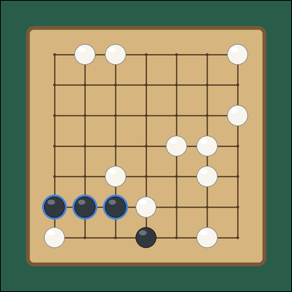 | 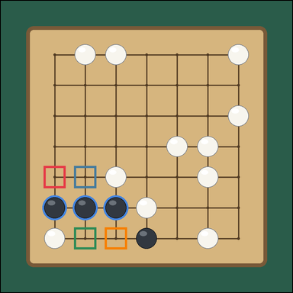 | task_games_go_group_liberty_count | marked_black_group_liberty_count | Work from the Go position shown in the image: one visible 7 by 7 Go board with a highlighted connected stone group and many open intersections. Read the Go board and determine the requested value. The blue outlined black stones are the marked group. Stones of the same color that touch edge to edge form one group. A liberty is an empty intersection directly above, below, left, or right of any stone in the group, and diagonal intersections do not count. How many liberties does the marked black group have? Answer with an integer. Return a valid JSON object with keys "evidence" and "answer" in that order. Evidence field: set "evidence" to an array of bounding boxes [x1, y1, x2, y2] for every empty intersection that is a liberty of the marked black group. Answer field: set "answer" to the number of liberties of the marked black group. Example JSON: {"evidence": [[312, 284, 374, 346], [386, 358, 448, 420]], "answer": 4} | Work from the Go position shown in the image: one visible 7 by 7 Go board with a highlighted connected stone group and many open intersections. Read the Go board and determine the requested value. The blue outlined black stones are the marked group. Stones of the same color that touch edge to edge form one group. A liberty is an empty intersection directly above, below, left, or right of any stone in the group, and diagonal intersections do not count. How many liberties does the marked black group have? Answer with an integer. Return a valid JSON object with key "answer". Answer format: set "answer" to the number of liberties of the marked black group. Example JSON: {"answer": 4} | {"evidence": [[135.2, 521.867, 204.8, 591.467], [231.867, 521.867, 301.467, 591.467], [231.867, 715.2, 301.467, 784.8], [328.533, 715.2, 398.133, 784.8]], "answer": 4} | [[135.2, 521.867, 204.8, 591.467], [231.867, 521.867, 301.467, 591.467], [231.867, 715.2, 301.467, 784.8], [328.533, 715.2, 398.133, 784.8]] | integer | bbox_set | 14199515254564 | games/task_games_go_group_liberty_count/images/marked_black_group_liberty_count/0022.png | games/task_games_go_group_liberty_count/data/marked_black_group_liberty_count/0022.json
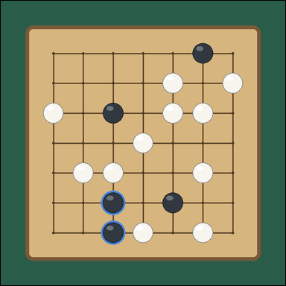 | 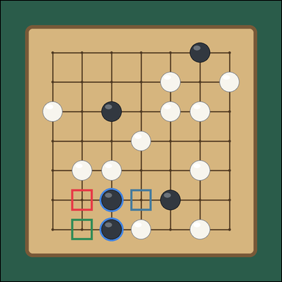 | task_games_go_group_liberty_count | marked_black_group_liberty_count | Look at the visible Go board in the image. It shows one visible 7 by 7 Go board with a highlighted connected stone group and many surrounding black and white stones. Read the Go board and determine the requested value. The blue outlined black stones are the marked group. Stones of the same color that touch edge to edge form one group. A liberty is an empty intersection directly above, below, left, or right of any stone in the group, and diagonal intersections do not count. What is the number of liberties for the marked black group? Answer with an integer. Return a valid JSON object with keys "evidence" and "answer" in that order. Evidence format: set "evidence" to an array of bounding boxes [x1, y1, x2, y2] for every empty intersection that is a liberty of the marked black group. Answer requirement: set "answer" to the number of liberties of the marked black group. Example JSON: {"evidence": [[312, 284, 374, 346], [386, 358, 448, 420]], "answer": 4} | Look at the visible Go board in the image. It shows one visible 7 by 7 Go board with a highlighted connected stone group and many surrounding black and white stones. Read the Go board and determine the requested value. The blue outlined black stones are the marked group. Stones of the same color that touch edge to edge form one group. A liberty is an empty intersection directly above, below, left, or right of any stone in the group, and diagonal intersections do not count. What is the number of liberties for the marked black group? Answer with an integer. Return a valid JSON object with key "answer". Answer: set "answer" to the number of liberties of the marked black group. Example JSON: {"answer": 4} | {"evidence": [[231.867, 618.533, 301.467, 688.133], [425.2, 618.533, 494.8, 688.133], [231.867, 715.2, 301.467, 784.8]], "answer": 3} | [[231.867, 618.533, 301.467, 688.133], [425.2, 618.533, 494.8, 688.133], [231.867, 715.2, 301.467, 784.8]] | integer | bbox_set | 264883056661780 | games/task_games_go_group_liberty_count/images/marked_black_group_liberty_count/0016.png | games/task_games_go_group_liberty_count/data/marked_black_group_liberty_count/0016.json
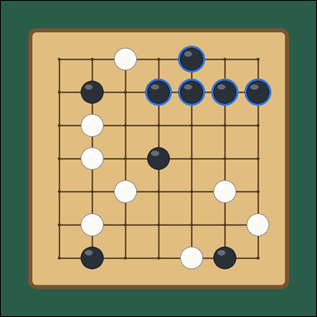 | 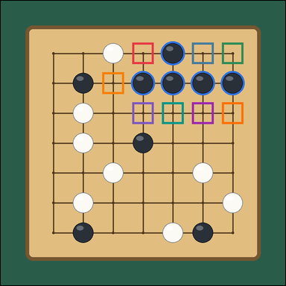 | task_games_go_group_liberty_count | marked_black_group_liberty_count | You are given a Go board image with one visible 7 by 7 Go board with a highlighted connected stone group and many surrounding black and white stones. Use the displayed Go state to determine the requested count. The blue outlined black stones are the marked group. Stones of the same color that touch edge to edge form one group. A liberty is an empty intersection directly above, below, left, or right of any stone in the group, and diagonal intersections do not count. How many liberties does the marked black group have? Answer with an integer. Return a valid JSON object with keys "evidence" and "answer" in that order. Evidence requirement: set "evidence" to an array of bounding boxes [x1, y1, x2, y2] for every empty intersection that is a liberty of the marked black group. Answer format: set "answer" to the number of liberties of the marked black group. Example JSON: {"evidence": [[312, 284, 374, 346], [386, 358, 448, 420]], "answer": 4} | You are given a Go board image with one visible 7 by 7 Go board with a highlighted connected stone group and many surrounding black and white stones. Use the displayed Go state to determine the requested count. The blue outlined black stones are the marked group. Stones of the same color that touch edge to edge form one group. A liberty is an empty intersection directly above, below, left, or right of any stone in the group, and diagonal intersections do not count. How many liberties does the marked black group have? Answer with an integer. Return a valid JSON object with key "answer". Answer requirement: set "answer" to the number of liberties of the marked black group. Example JSON: {"answer": 4} | {"evidence": [[425.2, 135.2, 494.8, 204.8], [618.533, 135.2, 688.133, 204.8], [715.2, 135.2, 784.8, 204.8], [328.533, 231.867, 398.133, 301.467], [425.2, 328.533, 494.8, 398.133], [521.867, 328.533, 591.467, 398.133], [618.533, 328.533, 688.133, 398.133], [715.2, 328.533, 784.8, 398.133]], "answer": 8} | [[425.2, 135.2, 494.8, 204.8], [618.533, 135.2, 688.133, 204.8], [715.2, 135.2, 784.8, 204.8], [328.533, 231.867, 398.133, 301.467], [425.2, 328.533, 494.8, 398.133], [521.867, 328.533, 591.467, 398.133], [618.533, 328.533, 688.133, 398.133], [715.2, 328.533, 784.8, 398.133]] | integer | bbox_set | 426406582466167 | games/task_games_go_group_liberty_count/images/marked_black_group_liberty_count/0014.png | games/task_games_go_group_liberty_count/data/marked_black_group_liberty_count/0014.json
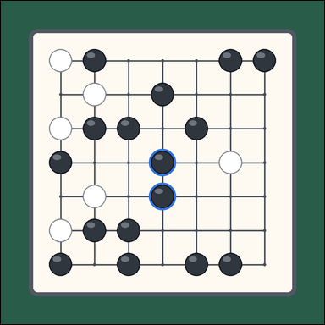 | 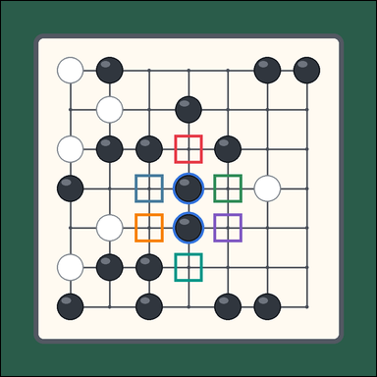 | task_games_go_group_liberty_count | marked_black_group_liberty_count | The image shows one visible 7 by 7 Go board with a highlighted connected stone group and many surrounding black and white stones. Work from the shown Go position to answer the question. The blue outlined black stones are the marked group. Stones of the same color that touch edge to edge form one group. A liberty is an empty intersection directly above, below, left, or right of any stone in the group, and diagonal intersections do not count. How many liberties does the marked black group have? Answer with an integer. Return a valid JSON object with keys "evidence" and "answer" in that order. Evidence format: set "evidence" to an array of bounding boxes [x1, y1, x2, y2] for every empty intersection that is a liberty of the marked black group. Answer requirement: set "answer" to the number of liberties of the marked black group. Example JSON: {"evidence": [[312, 284, 374, 346], [386, 358, 448, 420]], "answer": 4} | The image shows one visible 7 by 7 Go board with a highlighted connected stone group and many surrounding black and white stones. Work from the shown Go position to answer the question. The blue outlined black stones are the marked group. Stones of the same color that touch edge to edge form one group. A liberty is an empty intersection directly above, below, left, or right of any stone in the group, and diagonal intersections do not count. How many liberties does the marked black group have? Answer with an integer. Return a valid JSON object with key "answer". Answer rule: set "answer" to the number of liberties of the marked black group. Example JSON: {"answer": 4} | {"evidence": [[425.2, 328.533, 494.8, 398.133], [328.533, 425.2, 398.133, 494.8], [521.867, 425.2, 591.467, 494.8], [328.533, 521.867, 398.133, 591.467], [521.867, 521.867, 591.467, 591.467], [425.2, 618.533, 494.8, 688.133]], "answer": 6} | [[425.2, 328.533, 494.8, 398.133], [328.533, 425.2, 398.133, 494.8], [521.867, 425.2, 591.467, 494.8], [328.533, 521.867, 398.133, 591.467], [521.867, 521.867, 591.467, 591.467], [425.2, 618.533, 494.8, 688.133]] | integer | bbox_set | 1.3409510004E+15 | games/task_games_go_group_liberty_count/images/marked_black_group_liberty_count/0013.png | games/task_games_go_group_liberty_count/data/marked_black_group_liberty_count/0013.json
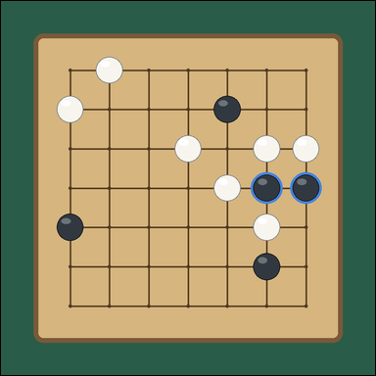 | 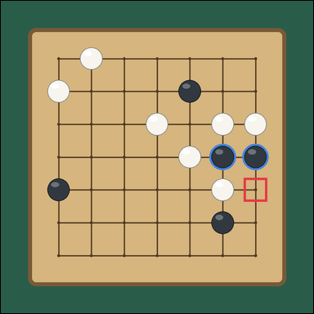 | task_games_go_group_liberty_count | marked_black_group_liberty_count | Work from the Go position shown in the image: one visible 7 by 7 Go board with a highlighted connected stone group and many open intersections. Work from the shown Go position to answer the question. The blue outlined black stones are the marked group. Stones of the same color that touch edge to edge form one group. A liberty is an empty intersection directly above, below, left, or right of any stone in the group, and diagonal intersections do not count. What is the number of liberties for the marked black group? Answer with an integer. Return a valid JSON object with keys "evidence" and "answer" in that order. Evidence rule: set "evidence" to an array of bounding boxes [x1, y1, x2, y2] for every empty intersection that is a liberty of the marked black group. Answer rule: set "answer" to the number of liberties of the marked black group. Example JSON: {"evidence": [[312, 284, 374, 346], [386, 358, 448, 420]], "answer": 4} | Work from the Go position shown in the image: one visible 7 by 7 Go board with a highlighted connected stone group and many open intersections. Work from the shown Go position to answer the question. The blue outlined black stones are the marked group. Stones of the same color that touch edge to edge form one group. A liberty is an empty intersection directly above, below, left, or right of any stone in the group, and diagonal intersections do not count. What is the number of liberties for the marked black group? Answer with an integer. Return a valid JSON object with key "answer". Answer: set "answer" to the number of liberties of the marked black group. Example JSON: {"answer": 4} | {"evidence": [[715.2, 521.867, 784.8, 591.467]], "answer": 1} | [[715.2, 521.867, 784.8, 591.467]] | integer | bbox_set | 1.5444154697E+15 | games/task_games_go_group_liberty_count/images/marked_black_group_liberty_count/0009.png | games/task_games_go_group_liberty_count/data/marked_black_group_liberty_count/0009.json
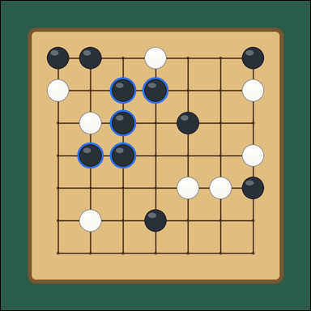 | 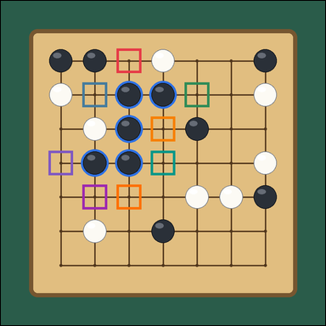 | task_games_go_group_liberty_count | marked_black_group_liberty_count | You are given a Go board image with one visible 7 by 7 Go board with a highlighted connected stone group and many surrounding black and white stones. Work from the shown Go position to answer the question. The blue outlined black stones are the marked group. Stones of the same color that touch edge to edge form one group. A liberty is an empty intersection directly above, below, left, or right of any stone in the group, and diagonal intersections do not count. What is the number of liberties for the marked black group? Answer with an integer. Return a valid JSON object with keys "evidence" and "answer" in that order. Evidence requirement: set "evidence" to an array of bounding boxes [x1, y1, x2, y2] for every empty intersection that is a liberty of the marked black group. Answer format: set "answer" to the number of liberties of the marked black group. Example JSON: {"evidence": [[312, 284, 374, 346], [386, 358, 448, 420]], "answer": 4} | You are given a Go board image with one visible 7 by 7 Go board with a highlighted connected stone group and many surrounding black and white stones. Work from the shown Go position to answer the question. The blue outlined black stones are the marked group. Stones of the same color that touch edge to edge form one group. A liberty is an empty intersection directly above, below, left, or right of any stone in the group, and diagonal intersections do not count. What is the number of liberties for the marked black group? Answer with an integer. Return a valid JSON object with key "answer". Answer field: set "answer" to the number of liberties of the marked black group. Example JSON: {"answer": 4} | {"evidence": [[328.533, 135.2, 398.133, 204.8], [231.867, 231.867, 301.467, 301.467], [521.867, 231.867, 591.467, 301.467], [425.2, 328.533, 494.8, 398.133], [135.2, 425.2, 204.8, 494.8], [425.2, 425.2, 494.8, 494.8], [231.867, 521.867, 301.467, 591.467], [328.533, 521.867, 398.133, 591.467]], "answer": 8} | [[328.533, 135.2, 398.133, 204.8], [231.867, 231.867, 301.467, 301.467], [521.867, 231.867, 591.467, 301.467], [425.2, 328.533, 494.8, 398.133], [135.2, 425.2, 204.8, 494.8], [425.2, 425.2, 494.8, 494.8], [231.867, 521.867, 301.467, 591.467], [328.533, 521.867, 398.133, 591.467]] | integer | bbox_set | 1.6818464894E+15 | games/task_games_go_group_liberty_count/images/marked_black_group_liberty_count/0019.png | games/task_games_go_group_liberty_count/data/marked_black_group_liberty_count/0019.json
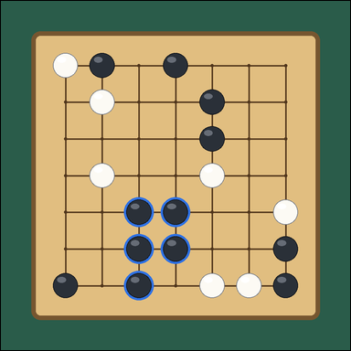 | 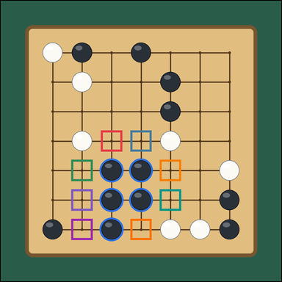 | task_games_go_group_liberty_count | marked_black_group_liberty_count | Use the visible Go board state in the image. It shows one visible 7 by 7 Go board with a highlighted connected stone group and many surrounding black and white stones. Answer the question using the visible board state. The blue outlined black stones are the marked group. Stones of the same color that touch edge to edge form one group. A liberty is an empty intersection directly above, below, left, or right of any stone in the group, and diagonal intersections do not count. How many empty neighboring intersections belong to the marked black group as liberties? Answer with an integer. Return a valid JSON object with keys "evidence" and "answer" in that order. Evidence: set "evidence" to an array of bounding boxes [x1, y1, x2, y2] for every empty intersection that is a liberty of the marked black group. Answer: set "answer" to the number of liberties of the marked black group. Example JSON: {"evidence": [[312, 284, 374, 346], [386, 358, 448, 420]], "answer": 4} | Use the visible Go board state in the image. It shows one visible 7 by 7 Go board with a highlighted connected stone group and many surrounding black and white stones. Answer the question using the visible board state. The blue outlined black stones are the marked group. Stones of the same color that touch edge to edge form one group. A liberty is an empty intersection directly above, below, left, or right of any stone in the group, and diagonal intersections do not count. How many empty neighboring intersections belong to the marked black group as liberties? Answer with an integer. Return a valid JSON object with key "answer". Answer requirement: set "answer" to the number of liberties of the marked black group. Example JSON: {"answer": 4} | {"evidence": [[328.533, 425.2, 398.133, 494.8], [425.2, 425.2, 494.8, 494.8], [231.867, 521.867, 301.467, 591.467], [521.867, 521.867, 591.467, 591.467], [231.867, 618.533, 301.467, 688.133], [521.867, 618.533, 591.467, 688.133], [231.867, 715.2, 301.467, 784.8], [425.2, 715.2, 494.8, 784.8]], "answer": 8} | [[328.533, 425.2, 398.133, 494.8], [425.2, 425.2, 494.8, 494.8], [231.867, 521.867, 301.467, 591.467], [521.867, 521.867, 591.467, 591.467], [231.867, 618.533, 301.467, 688.133], [521.867, 618.533, 591.467, 688.133], [231.867, 715.2, 301.467, 784.8], [425.2, 715.2, 494.8, 784.8]] | integer | bbox_set | 2.5397654361E+15 | games/task_games_go_group_liberty_count/images/marked_black_group_liberty_count/0021.png | games/task_games_go_group_liberty_count/data/marked_black_group_liberty_count/0021.json
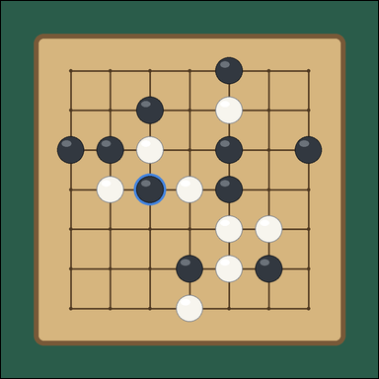 | 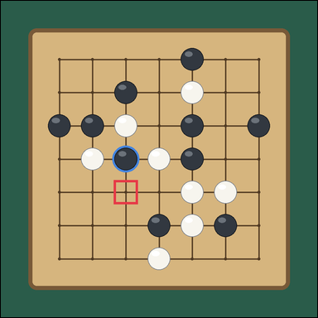 | task_games_go_group_liberty_count | marked_black_group_liberty_count | The image shows one visible 7 by 7 Go board with a highlighted connected stone group and many surrounding black and white stones. Determine the requested liberty count from the visible board. The blue outlined black stones are the marked group. Stones of the same color that touch edge to edge form one group. A liberty is an empty intersection directly above, below, left, or right of any stone in the group, and diagonal intersections do not count. How many liberties does the marked black group have? Answer with an integer. Return a valid JSON object with keys "evidence" and "answer" in that order. Evidence: set "evidence" to an array of bounding boxes [x1, y1, x2, y2] for every empty intersection that is a liberty of the marked black group. Answer: set "answer" to the number of liberties of the marked black group. Example JSON: {"evidence": [[312, 284, 374, 346], [386, 358, 448, 420]], "answer": 4} | The image shows one visible 7 by 7 Go board with a highlighted connected stone group and many surrounding black and white stones. Determine the requested liberty count from the visible board. The blue outlined black stones are the marked group. Stones of the same color that touch edge to edge form one group. A liberty is an empty intersection directly above, below, left, or right of any stone in the group, and diagonal intersections do not count. How many liberties does the marked black group have? Answer with an integer. Return a valid JSON object with key "answer". Answer: set "answer" to the number of liberties of the marked black group. Example JSON: {"answer": 4} | {"evidence": [[328.533, 521.867, 398.133, 591.467]], "answer": 1} | [[328.533, 521.867, 398.133, 591.467]] | integer | bbox_set | 2.5960887497E+15 | games/task_games_go_group_liberty_count/images/marked_black_group_liberty_count/0015.png | games/task_games_go_group_liberty_count/data/marked_black_group_liberty_count/0015.json
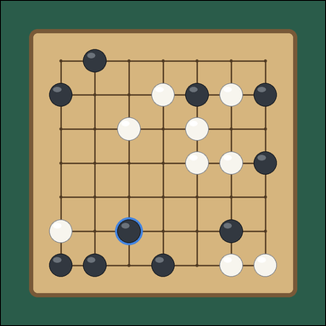 | 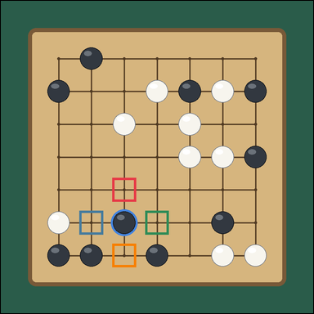 | task_games_go_group_liberty_count | marked_black_group_liberty_count | Work from the Go position shown in the image: one visible 7 by 7 Go board with a highlighted connected stone group and many surrounding black and white stones. Determine the requested liberty count from the visible board. The blue outlined black stones are the marked group. Stones of the same color that touch edge to edge form one group. A liberty is an empty intersection directly above, below, left, or right of any stone in the group, and diagonal intersections do not count. How many liberties does the marked black group have? Answer with an integer. Return a valid JSON object with keys "evidence" and "answer" in that order. Evidence field: set "evidence" to an array of bounding boxes [x1, y1, x2, y2] for every empty intersection that is a liberty of the marked black group. Answer field: set "answer" to the number of liberties of the marked black group. Example JSON: {"evidence": [[312, 284, 374, 346], [386, 358, 448, 420]], "answer": 4} | Work from the Go position shown in the image: one visible 7 by 7 Go board with a highlighted connected stone group and many surrounding black and white stones. Determine the requested liberty count from the visible board. The blue outlined black stones are the marked group. Stones of the same color that touch edge to edge form one group. A liberty is an empty intersection directly above, below, left, or right of any stone in the group, and diagonal intersections do not count. How many liberties does the marked black group have? Answer with an integer. Return a valid JSON object with key "answer". Answer rule: set "answer" to the number of liberties of the marked black group. Example JSON: {"answer": 4} | {"evidence": [[328.533, 521.867, 398.133, 591.467], [231.867, 618.533, 301.467, 688.133], [425.2, 618.533, 494.8, 688.133], [328.533, 715.2, 398.133, 784.8]], "answer": 4} | [[328.533, 521.867, 398.133, 591.467], [231.867, 618.533, 301.467, 688.133], [425.2, 618.533, 494.8, 688.133], [328.533, 715.2, 398.133, 784.8]] | integer | bbox_set | 2.7492264246E+15 | games/task_games_go_group_liberty_count/images/marked_black_group_liberty_count/0023.png | games/task_games_go_group_liberty_count/data/marked_black_group_liberty_count/0023.json
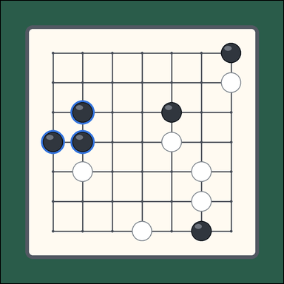 | 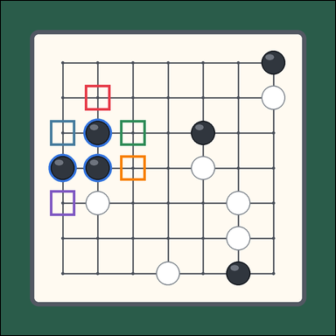 | task_games_go_group_liberty_count | marked_black_group_liberty_count | Use the visible Go board state in the image. It shows one visible 7 by 7 Go board with a highlighted connected stone group and many open intersections. Read the Go board and determine the requested value. The blue outlined black stones are the marked group. Stones of the same color that touch edge to edge form one group. A liberty is an empty intersection directly above, below, left, or right of any stone in the group, and diagonal intersections do not count. Determine the liberty count of the marked black group. Answer with an integer. Return a valid JSON object with keys "evidence" and "answer" in that order. Evidence format: set "evidence" to an array of bounding boxes [x1, y1, x2, y2] for every empty intersection that is a liberty of the marked black group. Answer requirement: set "answer" to the number of liberties of the marked black group. Example JSON: {"evidence": [[312, 284, 374, 346], [386, 358, 448, 420]], "answer": 4} | Use the visible Go board state in the image. It shows one visible 7 by 7 Go board with a highlighted connected stone group and many open intersections. Read the Go board and determine the requested value. The blue outlined black stones are the marked group. Stones of the same color that touch edge to edge form one group. A liberty is an empty intersection directly above, below, left, or right of any stone in the group, and diagonal intersections do not count. Determine the liberty count of the marked black group. Answer with an integer. Return a valid JSON object with key "answer". Answer requirement: set "answer" to the number of liberties of the marked black group. Example JSON: {"answer": 4} | {"evidence": [[231.867, 231.867, 301.467, 301.467], [135.2, 328.533, 204.8, 398.133], [328.533, 328.533, 398.133, 398.133], [328.533, 425.2, 398.133, 494.8], [135.2, 521.867, 204.8, 591.467]], "answer": 5} | [[231.867, 231.867, 301.467, 301.467], [135.2, 328.533, 204.8, 398.133], [328.533, 328.533, 398.133, 398.133], [328.533, 425.2, 398.133, 494.8], [135.2, 521.867, 204.8, 591.467]] | integer | bbox_set | 2.9494308718E+15 | games/task_games_go_group_liberty_count/images/marked_black_group_liberty_count/0002.png | games/task_games_go_group_liberty_count/data/marked_black_group_liberty_count/0002.json
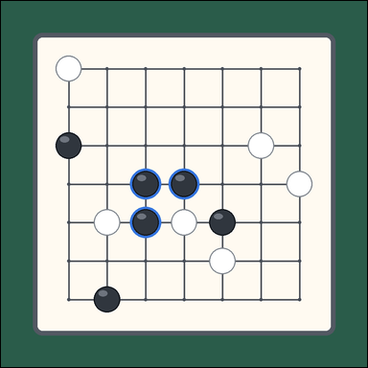 | 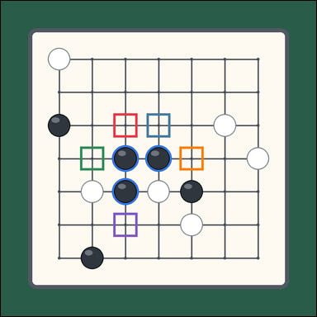 | task_games_go_group_liberty_count | marked_black_group_liberty_count | You are given a Go board image with one visible 7 by 7 Go board with a highlighted connected stone group and many open intersections. Answer the question using the visible board state. The blue outlined black stones are the marked group. Stones of the same color that touch edge to edge form one group. A liberty is an empty intersection directly above, below, left, or right of any stone in the group, and diagonal intersections do not count. What is the number of liberties for the marked black group? Answer with an integer. Return a valid JSON object with keys "evidence" and "answer" in that order. Evidence rule: set "evidence" to an array of bounding boxes [x1, y1, x2, y2] for every empty intersection that is a liberty of the marked black group. Answer rule: set "answer" to the number of liberties of the marked black group. Example JSON: {"evidence": [[312, 284, 374, 346], [386, 358, 448, 420]], "answer": 4} | You are given a Go board image with one visible 7 by 7 Go board with a highlighted connected stone group and many open intersections. Answer the question using the visible board state. The blue outlined black stones are the marked group. Stones of the same color that touch edge to edge form one group. A liberty is an empty intersection directly above, below, left, or right of any stone in the group, and diagonal intersections do not count. What is the number of liberties for the marked black group? Answer with an integer. Return a valid JSON object with key "answer". Answer field: set "answer" to the number of liberties of the marked black group. Example JSON: {"answer": 4} | {"evidence": [[328.533, 328.533, 398.133, 398.133], [425.2, 328.533, 494.8, 398.133], [231.867, 425.2, 301.467, 494.8], [521.867, 425.2, 591.467, 494.8], [328.533, 618.533, 398.133, 688.133]], "answer": 5} | [[328.533, 328.533, 398.133, 398.133], [425.2, 328.533, 494.8, 398.133], [231.867, 425.2, 301.467, 494.8], [521.867, 425.2, 591.467, 494.8], [328.533, 618.533, 398.133, 688.133]] | integer | bbox_set | 3.3127544925E+15 | games/task_games_go_group_liberty_count/images/marked_black_group_liberty_count/0007.png | games/task_games_go_group_liberty_count/data/marked_black_group_liberty_count/0007.json
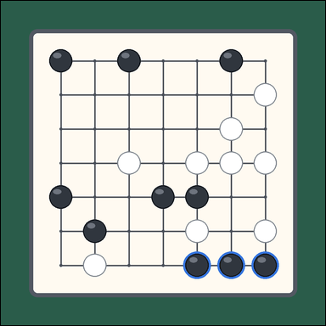 | 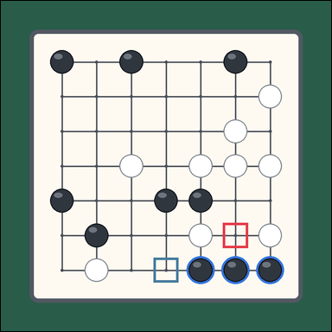 | task_games_go_group_liberty_count | marked_black_group_liberty_count | Look at the visible Go board in the image. It shows one visible 7 by 7 Go board with a highlighted connected stone group and many surrounding black and white stones. Work from the shown Go position to answer the question. The blue outlined black stones are the marked group. Stones of the same color that touch edge to edge form one group. A liberty is an empty intersection directly above, below, left, or right of any stone in the group, and diagonal intersections do not count. What is the number of liberties for the marked black group? Answer with an integer. Return a valid JSON object with keys "evidence" and "answer" in that order. Evidence rule: set "evidence" to an array of bounding boxes [x1, y1, x2, y2] for every empty intersection that is a liberty of the marked black group. Answer rule: set "answer" to the number of liberties of the marked black group. Example JSON: {"evidence": [[312, 284, 374, 346], [386, 358, 448, 420]], "answer": 4} | Look at the visible Go board in the image. It shows one visible 7 by 7 Go board with a highlighted connected stone group and many surrounding black and white stones. Work from the shown Go position to answer the question. The blue outlined black stones are the marked group. Stones of the same color that touch edge to edge form one group. A liberty is an empty intersection directly above, below, left, or right of any stone in the group, and diagonal intersections do not count. What is the number of liberties for the marked black group? Answer with an integer. Return a valid JSON object with key "answer". Answer requirement: set "answer" to the number of liberties of the marked black group. Example JSON: {"answer": 4} | {"evidence": [[618.533, 618.533, 688.133, 688.133], [425.2, 715.2, 494.8, 784.8]], "answer": 2} | [[618.533, 618.533, 688.133, 688.133], [425.2, 715.2, 494.8, 784.8]] | integer | bbox_set | 4.0270822727E+15 | games/task_games_go_group_liberty_count/images/marked_black_group_liberty_count/0001.png | games/task_games_go_group_liberty_count/data/marked_black_group_liberty_count/0001.json
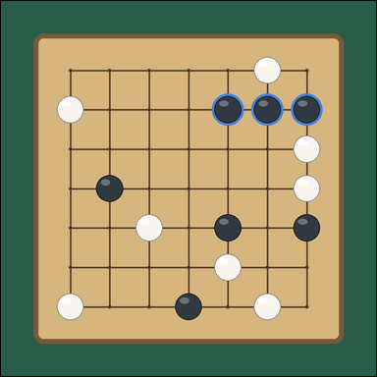 | 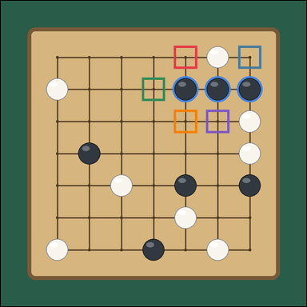 | task_games_go_group_liberty_count | marked_black_group_liberty_count | Work from the Go position shown in the image: one visible 7 by 7 Go board with a highlighted connected stone group and many open intersections. Determine the requested liberty count from the visible board. The blue outlined black stones are the marked group. Stones of the same color that touch edge to edge form one group. A liberty is an empty intersection directly above, below, left, or right of any stone in the group, and diagonal intersections do not count. What is the number of liberties for the marked black group? Answer with an integer. Return a valid JSON object with keys "evidence" and "answer" in that order. Evidence requirement: set "evidence" to an array of bounding boxes [x1, y1, x2, y2] for every empty intersection that is a liberty of the marked black group. Answer format: set "answer" to the number of liberties of the marked black group. Example JSON: {"evidence": [[312, 284, 374, 346], [386, 358, 448, 420]], "answer": 4} | Work from the Go position shown in the image: one visible 7 by 7 Go board with a highlighted connected stone group and many open intersections. Determine the requested liberty count from the visible board. The blue outlined black stones are the marked group. Stones of the same color that touch edge to edge form one group. A liberty is an empty intersection directly above, below, left, or right of any stone in the group, and diagonal intersections do not count. What is the number of liberties for the marked black group? Answer with an integer. Return a valid JSON object with key "answer". Answer: set "answer" to the number of liberties of the marked black group. Example JSON: {"answer": 4} | {"evidence": [[521.867, 135.2, 591.467, 204.8], [715.2, 135.2, 784.8, 204.8], [425.2, 231.867, 494.8, 301.467], [521.867, 328.533, 591.467, 398.133], [618.533, 328.533, 688.133, 398.133]], "answer": 5} | [[521.867, 135.2, 591.467, 204.8], [715.2, 135.2, 784.8, 204.8], [425.2, 231.867, 494.8, 301.467], [521.867, 328.533, 591.467, 398.133], [618.533, 328.533, 688.133, 398.133]] | integer | bbox_set | 4.0357379368E+15 | games/task_games_go_group_liberty_count/images/marked_black_group_liberty_count/0008.png | games/task_games_go_group_liberty_count/data/marked_black_group_liberty_count/0008.json
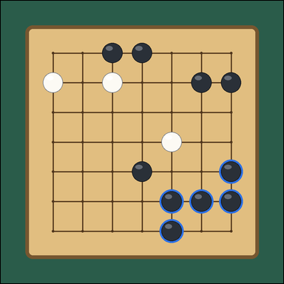 | 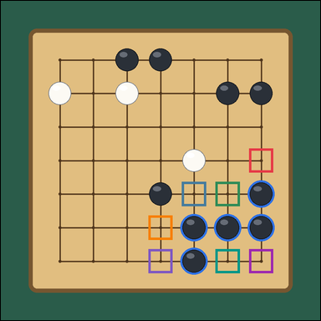 | task_games_go_group_liberty_count | marked_black_group_liberty_count | You are given a Go board image with one visible 7 by 7 Go board with a highlighted connected stone group and many open intersections. Answer the question using the visible board state. The blue outlined black stones are the marked group. Stones of the same color that touch edge to edge form one group. A liberty is an empty intersection directly above, below, left, or right of any stone in the group, and diagonal intersections do not count. How many liberties does the marked black group have? Answer with an integer. Return a valid JSON object with keys "evidence" and "answer" in that order. Evidence format: set "evidence" to an array of bounding boxes [x1, y1, x2, y2] for every empty intersection that is a liberty of the marked black group. Answer requirement: set "answer" to the number of liberties of the marked black group. Example JSON: {"evidence": [[312, 284, 374, 346], [386, 358, 448, 420]], "answer": 4} | You are given a Go board image with one visible 7 by 7 Go board with a highlighted connected stone group and many open intersections. Answer the question using the visible board state. The blue outlined black stones are the marked group. Stones of the same color that touch edge to edge form one group. A liberty is an empty intersection directly above, below, left, or right of any stone in the group, and diagonal intersections do not count. How many liberties does the marked black group have? Answer with an integer. Return a valid JSON object with key "answer". Answer format: set "answer" to the number of liberties of the marked black group. Example JSON: {"answer": 4} | {"evidence": [[715.2, 425.2, 784.8, 494.8], [521.867, 521.867, 591.467, 591.467], [618.533, 521.867, 688.133, 591.467], [425.2, 618.533, 494.8, 688.133], [425.2, 715.2, 494.8, 784.8], [618.533, 715.2, 688.133, 784.8], [715.2, 715.2, 784.8, 784.8]], "answer": 7} | [[715.2, 425.2, 784.8, 494.8], [521.867, 521.867, 591.467, 591.467], [618.533, 521.867, 688.133, 591.467], [425.2, 618.533, 494.8, 688.133], [425.2, 715.2, 494.8, 784.8], [618.533, 715.2, 688.133, 784.8], [715.2, 715.2, 784.8, 784.8]] | integer | bbox_set | 4.3818144007E+15 | games/task_games_go_group_liberty_count/images/marked_black_group_liberty_count/0010.png | games/task_games_go_group_liberty_count/data/marked_black_group_liberty_count/0010.json
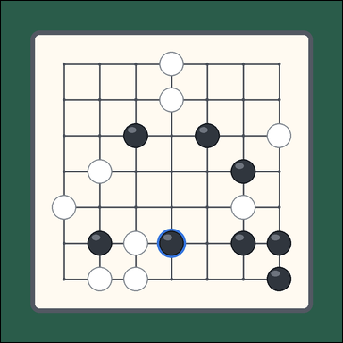 | 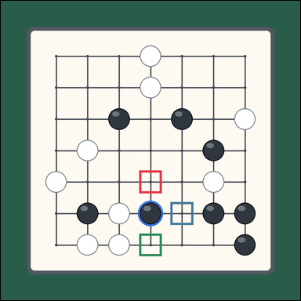 | task_games_go_group_liberty_count | marked_black_group_liberty_count | The image shows one visible 7 by 7 Go board with a highlighted connected stone group and many surrounding black and white stones. Answer the question using the visible board state. The blue outlined black stones are the marked group. Stones of the same color that touch edge to edge form one group. A liberty is an empty intersection directly above, below, left, or right of any stone in the group, and diagonal intersections do not count. Count the liberties of the marked black group. Answer with an integer. Return a valid JSON object with keys "evidence" and "answer" in that order. Evidence: set "evidence" to an array of bounding boxes [x1, y1, x2, y2] for every empty intersection that is a liberty of the marked black group. Answer: set "answer" to the number of liberties of the marked black group. Example JSON: {"evidence": [[312, 284, 374, 346], [386, 358, 448, 420]], "answer": 4} | The image shows one visible 7 by 7 Go board with a highlighted connected stone group and many surrounding black and white stones. Answer the question using the visible board state. The blue outlined black stones are the marked group. Stones of the same color that touch edge to edge form one group. A liberty is an empty intersection directly above, below, left, or right of any stone in the group, and diagonal intersections do not count. Count the liberties of the marked black group. Answer with an integer. Return a valid JSON object with key "answer". Answer field: set "answer" to the number of liberties of the marked black group. Example JSON: {"answer": 4} | {"evidence": [[425.2, 521.867, 494.8, 591.467], [521.867, 618.533, 591.467, 688.133], [425.2, 715.2, 494.8, 784.8]], "answer": 3} | [[425.2, 521.867, 494.8, 591.467], [521.867, 618.533, 591.467, 688.133], [425.2, 715.2, 494.8, 784.8]] | integer | bbox_set | 4.6617151961E+15 | games/task_games_go_group_liberty_count/images/marked_black_group_liberty_count/0005.png | games/task_games_go_group_liberty_count/data/marked_black_group_liberty_count/0005.json
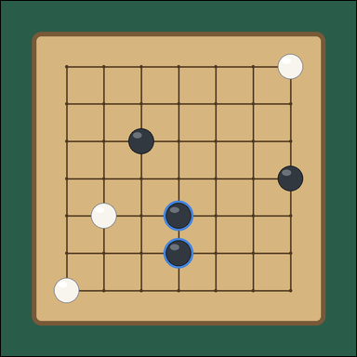 | 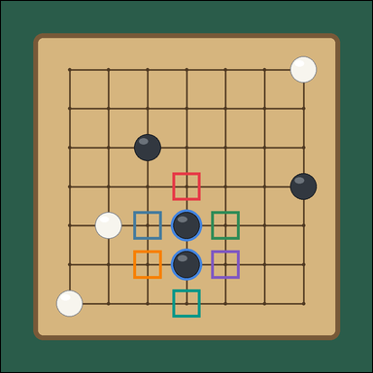 | task_games_go_group_liberty_count | marked_black_group_liberty_count | You are given a Go board image with one visible 7 by 7 Go board with a highlighted connected stone group and many open intersections. Work from the shown Go position to answer the question. The blue outlined black stones are the marked group. Stones of the same color that touch edge to edge form one group. A liberty is an empty intersection directly above, below, left, or right of any stone in the group, and diagonal intersections do not count. How many liberties does the marked black group have? Answer with an integer. Return a valid JSON object with keys "evidence" and "answer" in that order. Evidence format: set "evidence" to an array of bounding boxes [x1, y1, x2, y2] for every empty intersection that is a liberty of the marked black group. Answer requirement: set "answer" to the number of liberties of the marked black group. Example JSON: {"evidence": [[312, 284, 374, 346], [386, 358, 448, 420]], "answer": 4} | You are given a Go board image with one visible 7 by 7 Go board with a highlighted connected stone group and many open intersections. Work from the shown Go position to answer the question. The blue outlined black stones are the marked group. Stones of the same color that touch edge to edge form one group. A liberty is an empty intersection directly above, below, left, or right of any stone in the group, and diagonal intersections do not count. How many liberties does the marked black group have? Answer with an integer. Return a valid JSON object with key "answer". Answer rule: set "answer" to the number of liberties of the marked black group. Example JSON: {"answer": 4} | {"evidence": [[425.2, 425.2, 494.8, 494.8], [328.533, 521.867, 398.133, 591.467], [521.867, 521.867, 591.467, 591.467], [328.533, 618.533, 398.133, 688.133], [521.867, 618.533, 591.467, 688.133], [425.2, 715.2, 494.8, 784.8]], "answer": 6} | [[425.2, 425.2, 494.8, 494.8], [328.533, 521.867, 398.133, 591.467], [521.867, 521.867, 591.467, 591.467], [328.533, 618.533, 398.133, 688.133], [521.867, 618.533, 591.467, 688.133], [425.2, 715.2, 494.8, 784.8]] | integer | bbox_set | 5.1949445594E+15 | games/task_games_go_group_liberty_count/images/marked_black_group_liberty_count/0020.png | games/task_games_go_group_liberty_count/data/marked_black_group_liberty_count/0020.json
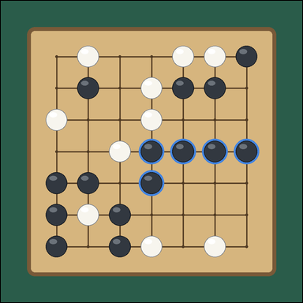 | 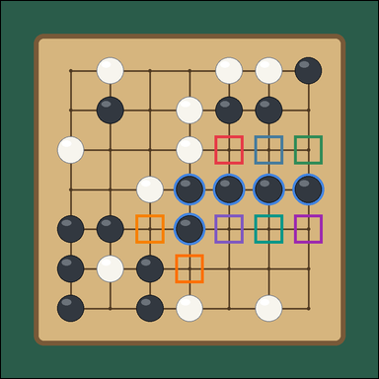 | task_games_go_group_liberty_count | marked_black_group_liberty_count | The image shows one visible 7 by 7 Go board with a highlighted connected stone group and many surrounding black and white stones. Read the Go board and determine the requested value. The blue outlined black stones are the marked group. Stones of the same color that touch edge to edge form one group. A liberty is an empty intersection directly above, below, left, or right of any stone in the group, and diagonal intersections do not count. How many empty neighboring intersections belong to the marked black group as liberties? Answer with an integer. Return a valid JSON object with keys "evidence" and "answer" in that order. Evidence field: set "evidence" to an array of bounding boxes [x1, y1, x2, y2] for every empty intersection that is a liberty of the marked black group. Answer field: set "answer" to the number of liberties of the marked black group. Example JSON: {"evidence": [[312, 284, 374, 346], [386, 358, 448, 420]], "answer": 4} | The image shows one visible 7 by 7 Go board with a highlighted connected stone group and many surrounding black and white stones. Read the Go board and determine the requested value. The blue outlined black stones are the marked group. Stones of the same color that touch edge to edge form one group. A liberty is an empty intersection directly above, below, left, or right of any stone in the group, and diagonal intersections do not count. How many empty neighboring intersections belong to the marked black group as liberties? Answer with an integer. Return a valid JSON object with key "answer". Answer field: set "answer" to the number of liberties of the marked black group. Example JSON: {"answer": 4} | {"evidence": [[521.867, 328.533, 591.467, 398.133], [618.533, 328.533, 688.133, 398.133], [715.2, 328.533, 784.8, 398.133], [328.533, 521.867, 398.133, 591.467], [521.867, 521.867, 591.467, 591.467], [618.533, 521.867, 688.133, 591.467], [715.2, 521.867, 784.8, 591.467], [425.2, 618.533, 494.8, 688.133]], "answer": 8} | [[521.867, 328.533, 591.467, 398.133], [618.533, 328.533, 688.133, 398.133], [715.2, 328.533, 784.8, 398.133], [328.533, 521.867, 398.133, 591.467], [521.867, 521.867, 591.467, 591.467], [618.533, 521.867, 688.133, 591.467], [715.2, 521.867, 784.8, 591.467], [425.2, 618.533, 494.8, 688.133]] | integer | bbox_set | 5.9148378712E+15 | games/task_games_go_group_liberty_count/images/marked_black_group_liberty_count/0017.png | games/task_games_go_group_liberty_count/data/marked_black_group_liberty_count/0017.json
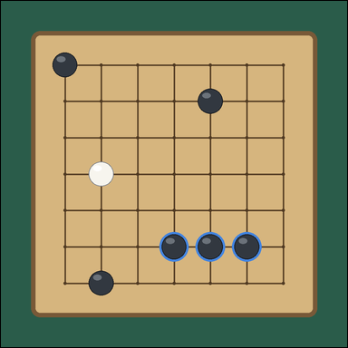 | 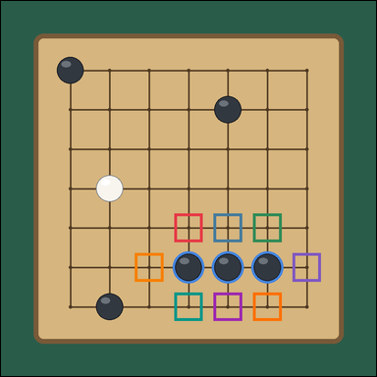 | task_games_go_group_liberty_count | marked_black_group_liberty_count | Look at the visible Go board in the image. It shows one visible 7 by 7 Go board with a highlighted connected stone group and many open intersections. Use the displayed Go state to determine the requested count. The blue outlined black stones are the marked group. Stones of the same color that touch edge to edge form one group. A liberty is an empty intersection directly above, below, left, or right of any stone in the group, and diagonal intersections do not count. How many empty neighboring intersections belong to the marked black group as liberties? Answer with an integer. Return a valid JSON object with keys "evidence" and "answer" in that order. Evidence requirement: set "evidence" to an array of bounding boxes [x1, y1, x2, y2] for every empty intersection that is a liberty of the marked black group. Answer format: set "answer" to the number of liberties of the marked black group. Example JSON: {"evidence": [[312, 284, 374, 346], [386, 358, 448, 420]], "answer": 4} | Look at the visible Go board in the image. It shows one visible 7 by 7 Go board with a highlighted connected stone group and many open intersections. Use the displayed Go state to determine the requested count. The blue outlined black stones are the marked group. Stones of the same color that touch edge to edge form one group. A liberty is an empty intersection directly above, below, left, or right of any stone in the group, and diagonal intersections do not count. How many empty neighboring intersections belong to the marked black group as liberties? Answer with an integer. Return a valid JSON object with key "answer". Answer format: set "answer" to the number of liberties of the marked black group. Example JSON: {"answer": 4} | {"evidence": [[425.2, 521.867, 494.8, 591.467], [521.867, 521.867, 591.467, 591.467], [618.533, 521.867, 688.133, 591.467], [328.533, 618.533, 398.133, 688.133], [715.2, 618.533, 784.8, 688.133], [425.2, 715.2, 494.8, 784.8], [521.867, 715.2, 591.467, 784.8], [618.533, 715.2, 688.133, 784.8]], "answer": 8} | [[425.2, 521.867, 494.8, 591.467], [521.867, 521.867, 591.467, 591.467], [618.533, 521.867, 688.133, 591.467], [328.533, 618.533, 398.133, 688.133], [715.2, 618.533, 784.8, 688.133], [425.2, 715.2, 494.8, 784.8], [521.867, 715.2, 591.467, 784.8], [618.533, 715.2, 688.133, 784.8]] | integer | bbox_set | 6.0134525214E+15 | games/task_games_go_group_liberty_count/images/marked_black_group_liberty_count/0000.png | games/task_games_go_group_liberty_count/data/marked_black_group_liberty_count/0000.json
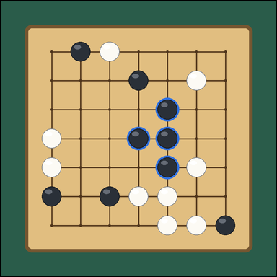 | 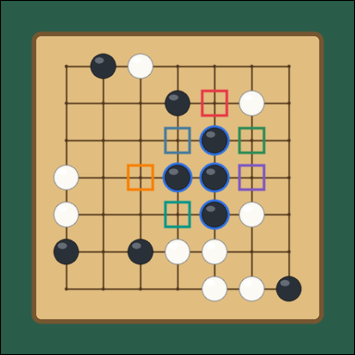 | task_games_go_group_liberty_count | marked_black_group_liberty_count | Use the visible Go board state in the image. It shows one visible 7 by 7 Go board with a highlighted connected stone group and many surrounding black and white stones. Determine the requested liberty count from the visible board. The blue outlined black stones are the marked group. Stones of the same color that touch edge to edge form one group. A liberty is an empty intersection directly above, below, left, or right of any stone in the group, and diagonal intersections do not count. Count the liberties of the marked black group. Answer with an integer. Return a valid JSON object with keys "evidence" and "answer" in that order. Evidence format: set "evidence" to an array of bounding boxes [x1, y1, x2, y2] for every empty intersection that is a liberty of the marked black group. Answer requirement: set "answer" to the number of liberties of the marked black group. Example JSON: {"evidence": [[312, 284, 374, 346], [386, 358, 448, 420]], "answer": 4} | Use the visible Go board state in the image. It shows one visible 7 by 7 Go board with a highlighted connected stone group and many surrounding black and white stones. Determine the requested liberty count from the visible board. The blue outlined black stones are the marked group. Stones of the same color that touch edge to edge form one group. A liberty is an empty intersection directly above, below, left, or right of any stone in the group, and diagonal intersections do not count. Count the liberties of the marked black group. Answer with an integer. Return a valid JSON object with key "answer". Answer field: set "answer" to the number of liberties of the marked black group. Example JSON: {"answer": 4} | {"evidence": [[521.867, 231.867, 591.467, 301.467], [425.2, 328.533, 494.8, 398.133], [618.533, 328.533, 688.133, 398.133], [328.533, 425.2, 398.133, 494.8], [618.533, 425.2, 688.133, 494.8], [425.2, 521.867, 494.8, 591.467]], "answer": 6} | [[521.867, 231.867, 591.467, 301.467], [425.2, 328.533, 494.8, 398.133], [618.533, 328.533, 688.133, 398.133], [328.533, 425.2, 398.133, 494.8], [618.533, 425.2, 688.133, 494.8], [425.2, 521.867, 494.8, 591.467]] | integer | bbox_set | 6.3008521204E+15 | games/task_games_go_group_liberty_count/images/marked_black_group_liberty_count/0004.png | games/task_games_go_group_liberty_count/data/marked_black_group_liberty_count/0004.json
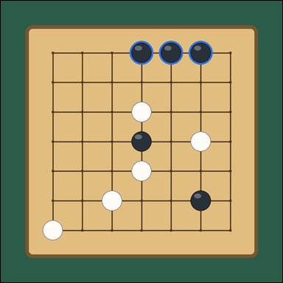 | 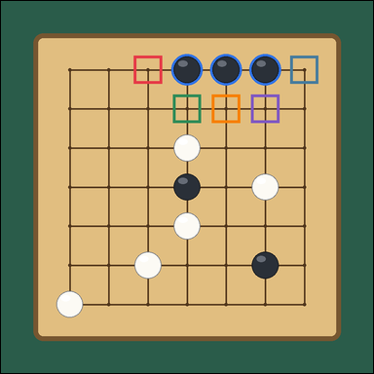 | task_games_go_group_liberty_count | marked_black_group_liberty_count | You are given a Go board image with one visible 7 by 7 Go board with a highlighted connected stone group and many open intersections. Use the displayed Go state to determine the requested count. The blue outlined black stones are the marked group. Stones of the same color that touch edge to edge form one group. A liberty is an empty intersection directly above, below, left, or right of any stone in the group, and diagonal intersections do not count. How many empty neighboring intersections belong to the marked black group as liberties? Answer with an integer. Return a valid JSON object with keys "evidence" and "answer" in that order. Evidence rule: set "evidence" to an array of bounding boxes [x1, y1, x2, y2] for every empty intersection that is a liberty of the marked black group. Answer rule: set "answer" to the number of liberties of the marked black group. Example JSON: {"evidence": [[312, 284, 374, 346], [386, 358, 448, 420]], "answer": 4} | You are given a Go board image with one visible 7 by 7 Go board with a highlighted connected stone group and many open intersections. Use the displayed Go state to determine the requested count. The blue outlined black stones are the marked group. Stones of the same color that touch edge to edge form one group. A liberty is an empty intersection directly above, below, left, or right of any stone in the group, and diagonal intersections do not count. How many empty neighboring intersections belong to the marked black group as liberties? Answer with an integer. Return a valid JSON object with key "answer". Answer rule: set "answer" to the number of liberties of the marked black group. Example JSON: {"answer": 4} | {"evidence": [[328.533, 135.2, 398.133, 204.8], [715.2, 135.2, 784.8, 204.8], [425.2, 231.867, 494.8, 301.467], [521.867, 231.867, 591.467, 301.467], [618.533, 231.867, 688.133, 301.467]], "answer": 5} | [[328.533, 135.2, 398.133, 204.8], [715.2, 135.2, 784.8, 204.8], [425.2, 231.867, 494.8, 301.467], [521.867, 231.867, 591.467, 301.467], [618.533, 231.867, 688.133, 301.467]] | integer | bbox_set | 6.3023609123E+15 | games/task_games_go_group_liberty_count/images/marked_black_group_liberty_count/0011.png | games/task_games_go_group_liberty_count/data/marked_black_group_liberty_count/0011.json
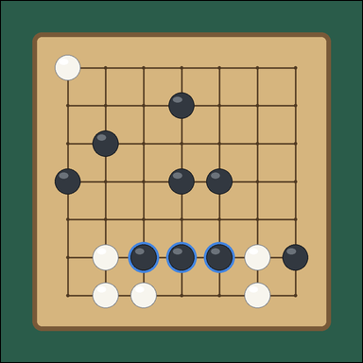 | 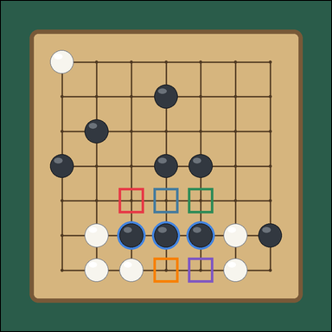 | task_games_go_group_liberty_count | marked_black_group_liberty_count | Use the visible Go board state in the image. It shows one visible 7 by 7 Go board with a highlighted connected stone group and many open intersections. Work from the shown Go position to answer the question. The blue outlined black stones are the marked group. Stones of the same color that touch edge to edge form one group. A liberty is an empty intersection directly above, below, left, or right of any stone in the group, and diagonal intersections do not count. Count the liberties of the marked black group. Answer with an integer. Return a valid JSON object with keys "evidence" and "answer" in that order. Evidence requirement: set "evidence" to an array of bounding boxes [x1, y1, x2, y2] for every empty intersection that is a liberty of the marked black group. Answer format: set "answer" to the number of liberties of the marked black group. Example JSON: {"evidence": [[312, 284, 374, 346], [386, 358, 448, 420]], "answer": 4} | Use the visible Go board state in the image. It shows one visible 7 by 7 Go board with a highlighted connected stone group and many open intersections. Work from the shown Go position to answer the question. The blue outlined black stones are the marked group. Stones of the same color that touch edge to edge form one group. A liberty is an empty intersection directly above, below, left, or right of any stone in the group, and diagonal intersections do not count. Count the liberties of the marked black group. Answer with an integer. Return a valid JSON object with key "answer". Answer field: set "answer" to the number of liberties of the marked black group. Example JSON: {"answer": 4} | {"evidence": [[328.533, 521.867, 398.133, 591.467], [425.2, 521.867, 494.8, 591.467], [521.867, 521.867, 591.467, 591.467], [425.2, 715.2, 494.8, 784.8], [521.867, 715.2, 591.467, 784.8]], "answer": 5} | [[328.533, 521.867, 398.133, 591.467], [425.2, 521.867, 494.8, 591.467], [521.867, 521.867, 591.467, 591.467], [425.2, 715.2, 494.8, 784.8], [521.867, 715.2, 591.467, 784.8]] | integer | bbox_set | 7.1962064859E+15 | games/task_games_go_group_liberty_count/images/marked_black_group_liberty_count/0012.png | games/task_games_go_group_liberty_count/data/marked_black_group_liberty_count/0012.json
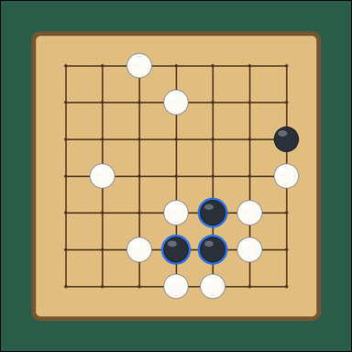 | 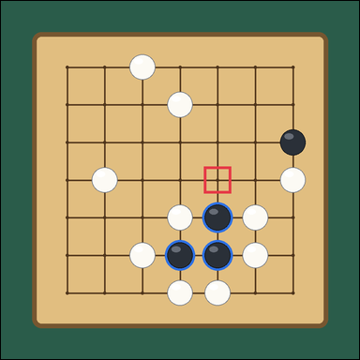 | task_games_go_group_liberty_count | marked_black_group_liberty_count | Use the visible Go board state in the image. It shows one visible 7 by 7 Go board with a highlighted connected stone group and many open intersections. Use the displayed Go state to determine the requested count. The blue outlined black stones are the marked group. Stones of the same color that touch edge to edge form one group. A liberty is an empty intersection directly above, below, left, or right of any stone in the group, and diagonal intersections do not count. How many liberties does the marked black group have? Answer with an integer. Return a valid JSON object with keys "evidence" and "answer" in that order. Evidence format: set "evidence" to an array of bounding boxes [x1, y1, x2, y2] for every empty intersection that is a liberty of the marked black group. Answer requirement: set "answer" to the number of liberties of the marked black group. Example JSON: {"evidence": [[312, 284, 374, 346], [386, 358, 448, 420]], "answer": 4} | Use the visible Go board state in the image. It shows one visible 7 by 7 Go board with a highlighted connected stone group and many open intersections. Use the displayed Go state to determine the requested count. The blue outlined black stones are the marked group. Stones of the same color that touch edge to edge form one group. A liberty is an empty intersection directly above, below, left, or right of any stone in the group, and diagonal intersections do not count. How many liberties does the marked black group have? Answer with an integer. Return a valid JSON object with key "answer". Answer rule: set "answer" to the number of liberties of the marked black group. Example JSON: {"answer": 4} | {"evidence": [[521.867, 425.2, 591.467, 494.8]], "answer": 1} | [[521.867, 425.2, 591.467, 494.8]] | integer | bbox_set | 7.3356764502E+15 | games/task_games_go_group_liberty_count/images/marked_black_group_liberty_count/0018.png | games/task_games_go_group_liberty_count/data/marked_black_group_liberty_count/0018.json
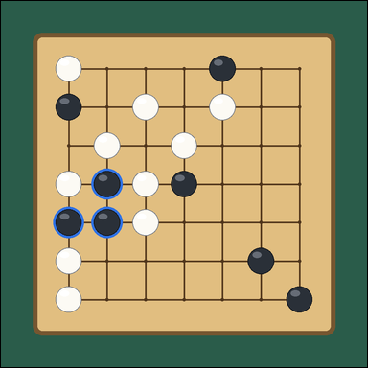 | 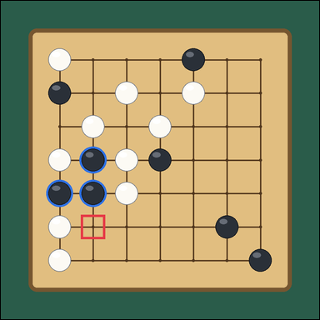 | task_games_go_group_liberty_count | marked_black_group_liberty_count | You are given a Go board image with one visible 7 by 7 Go board with a highlighted connected stone group and many open intersections. Read the Go board and determine the requested value. The blue outlined black stones are the marked group. Stones of the same color that touch edge to edge form one group. A liberty is an empty intersection directly above, below, left, or right of any stone in the group, and diagonal intersections do not count. Determine the liberty count of the marked black group. Answer with an integer. Return a valid JSON object with keys "evidence" and "answer" in that order. Evidence field: set "evidence" to an array of bounding boxes [x1, y1, x2, y2] for every empty intersection that is a liberty of the marked black group. Answer field: set "answer" to the number of liberties of the marked black group. Example JSON: {"evidence": [[312, 284, 374, 346], [386, 358, 448, 420]], "answer": 4} | You are given a Go board image with one visible 7 by 7 Go board with a highlighted connected stone group and many open intersections. Read the Go board and determine the requested value. The blue outlined black stones are the marked group. Stones of the same color that touch edge to edge form one group. A liberty is an empty intersection directly above, below, left, or right of any stone in the group, and diagonal intersections do not count. Determine the liberty count of the marked black group. Answer with an integer. Return a valid JSON object with key "answer". Answer: set "answer" to the number of liberties of the marked black group. Example JSON: {"answer": 4} | {"evidence": [[231.867, 618.533, 301.467, 688.133]], "answer": 1} | [[231.867, 618.533, 301.467, 688.133]] | integer | bbox_set | 7.3545428863E+15 | games/task_games_go_group_liberty_count/images/marked_black_group_liberty_count/0003.png | games/task_games_go_group_liberty_count/data/marked_black_group_liberty_count/0003.json
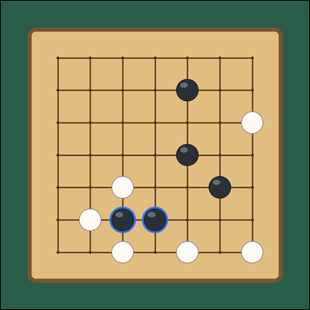 | 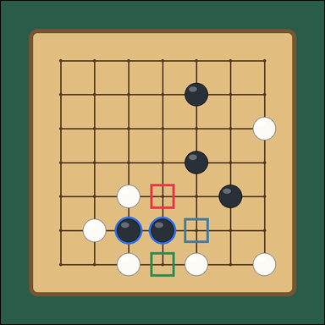 | task_games_go_group_liberty_count | marked_black_group_liberty_count | The image shows one visible 7 by 7 Go board with a highlighted connected stone group and many open intersections. Determine the requested liberty count from the visible board. The blue outlined black stones are the marked group. Stones of the same color that touch edge to edge form one group. A liberty is an empty intersection directly above, below, left, or right of any stone in the group, and diagonal intersections do not count. Determine the liberty count of the marked black group. Answer with an integer. Return a valid JSON object with keys "evidence" and "answer" in that order. Evidence rule: set "evidence" to an array of bounding boxes [x1, y1, x2, y2] for every empty intersection that is a liberty of the marked black group. Answer rule: set "answer" to the number of liberties of the marked black group. Example JSON: {"evidence": [[312, 284, 374, 346], [386, 358, 448, 420]], "answer": 4} | The image shows one visible 7 by 7 Go board with a highlighted connected stone group and many open intersections. Determine the requested liberty count from the visible board. The blue outlined black stones are the marked group. Stones of the same color that touch edge to edge form one group. A liberty is an empty intersection directly above, below, left, or right of any stone in the group, and diagonal intersections do not count. Determine the liberty count of the marked black group. Answer with an integer. Return a valid JSON object with key "answer". Answer rule: set "answer" to the number of liberties of the marked black group. Example JSON: {"answer": 4} | {"evidence": [[425.2, 521.867, 494.8, 591.467], [521.867, 618.533, 591.467, 688.133], [425.2, 715.2, 494.8, 784.8]], "answer": 3} | [[425.2, 521.867, 494.8, 591.467], [521.867, 618.533, 591.467, 688.133], [425.2, 715.2, 494.8, 784.8]] | integer | bbox_set | 7.8469560804E+15 | games/task_games_go_group_liberty_count/images/marked_black_group_liberty_count/0024.png | games/task_games_go_group_liberty_count/data/marked_black_group_liberty_count/0024.json
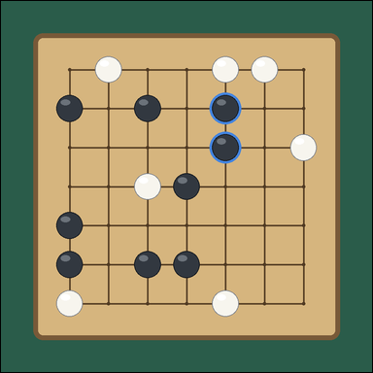 | 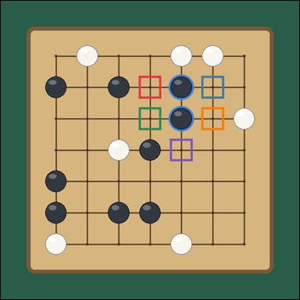 | task_games_go_group_liberty_count | marked_black_group_liberty_count | Work from the Go position shown in the image: one visible 7 by 7 Go board with a highlighted connected stone group and many surrounding black and white stones. Read the Go board and determine the requested value. The blue outlined black stones are the marked group. Stones of the same color that touch edge to edge form one group. A liberty is an empty intersection directly above, below, left, or right of any stone in the group, and diagonal intersections do not count. Determine the liberty count of the marked black group. Answer with an integer. Return a valid JSON object with keys "evidence" and "answer" in that order. Evidence: set "evidence" to an array of bounding boxes [x1, y1, x2, y2] for every empty intersection that is a liberty of the marked black group. Answer: set "answer" to the number of liberties of the marked black group. Example JSON: {"evidence": [[312, 284, 374, 346], [386, 358, 448, 420]], "answer": 4} | Work from the Go position shown in the image: one visible 7 by 7 Go board with a highlighted connected stone group and many surrounding black and white stones. Read the Go board and determine the requested value. The blue outlined black stones are the marked group. Stones of the same color that touch edge to edge form one group. A liberty is an empty intersection directly above, below, left, or right of any stone in the group, and diagonal intersections do not count. Determine the liberty count of the marked black group. Answer with an integer. Return a valid JSON object with key "answer". Answer requirement: set "answer" to the number of liberties of the marked black group. Example JSON: {"answer": 4} | {"evidence": [[425.2, 231.867, 494.8, 301.467], [618.533, 231.867, 688.133, 301.467], [425.2, 328.533, 494.8, 398.133], [618.533, 328.533, 688.133, 398.133], [521.867, 425.2, 591.467, 494.8]], "answer": 5} | [[425.2, 231.867, 494.8, 301.467], [618.533, 231.867, 688.133, 301.467], [425.2, 328.533, 494.8, 398.133], [618.533, 328.533, 688.133, 398.133], [521.867, 425.2, 591.467, 494.8]] | integer | bbox_set | 8.8757353407E+15 | games/task_games_go_group_liberty_count/images/marked_black_group_liberty_count/0006.png | games/task_games_go_group_liberty_count/data/marked_black_group_liberty_count/0006.json

marked_white_group_liberty_coun
image | evidence_image | task | task_variant | prompt | prompt_answer_only | answer | answer_evidence | answer_type | evidence_type | instance_seed | image_path | data_path
 |  | task_games_go_group_liberty_count | marked_white_group_liberty_count | The image shows one visible 7 by 7 Go board with a highlighted connected stone group and many surrounding black and white stones. Work from the shown Go position to answer the question. The blue outlined white stones are the marked group. Stones of the same color that touch edge to edge form one group. A liberty is an empty intersection directly above, below, left, or right of any stone in the group, and diagonal intersections do not count. What is the number of liberties for the marked white group? Answer with an integer. Return a valid JSON object with keys "evidence" and "answer" in that order. Evidence: set "evidence" to an array of bounding boxes [x1, y1, x2, y2] for every empty intersection that is a liberty of the marked white group. Answer: set "answer" to the number of liberties of the marked white group. Example JSON: {"evidence": [[312, 284, 374, 346], [386, 358, 448, 420]], "answer": 4} | The image shows one visible 7 by 7 Go board with a highlighted connected stone group and many surrounding black and white stones. Work from the shown Go position to answer the question. The blue outlined white stones are the marked group. Stones of the same color that touch edge to edge form one group. A liberty is an empty intersection directly above, below, left, or right of any stone in the group, and diagonal intersections do not count. What is the number of liberties for the marked white group? Answer with an integer. Return a valid JSON object with key "answer". Answer: set "answer" to the number of liberties of the marked white group. Example JSON: {"answer": 4} | {"evidence": [[425.2, 425.2, 494.8, 494.8], [521.867, 425.2, 591.467, 494.8], [328.533, 521.867, 398.133, 591.467], [328.533, 618.533, 398.133, 688.133], [618.533, 618.533, 688.133, 688.133], [328.533, 715.2, 398.133, 784.8], [521.867, 715.2, 591.467, 784.8]], "answer": 7} | [[425.2, 425.2, 494.8, 494.8], [521.867, 425.2, 591.467, 494.8], [328.533, 521.867, 398.133, 591.467], [328.533, 618.533, 398.133, 688.133], [618.533, 618.533, 688.133, 688.133], [328.533, 715.2, 398.133, 784.8], [521.867, 715.2, 591.467, 784.8]] | integer | bbox_set | 24013833196047 | games/task_games_go_group_liberty_count/images/marked_white_group_liberty_count/0009.png | games/task_games_go_group_liberty_count/data/marked_white_group_liberty_count/0009.json
 |  | task_games_go_group_liberty_count | marked_white_group_liberty_count | Use the visible Go board state in the image. It shows one visible 7 by 7 Go board with a highlighted connected stone group and many surrounding black and white stones. Work from the shown Go position to answer the question. The blue outlined white stones are the marked group. Stones of the same color that touch edge to edge form one group. A liberty is an empty intersection directly above, below, left, or right of any stone in the group, and diagonal intersections do not count. Count the liberties of the marked white group. Answer with an integer. Return a valid JSON object with keys "evidence" and "answer" in that order. Evidence requirement: set "evidence" to an array of bounding boxes [x1, y1, x2, y2] for every empty intersection that is a liberty of the marked white group. Answer format: set "answer" to the number of liberties of the marked white group. Example JSON: {"evidence": [[312, 284, 374, 346], [386, 358, 448, 420]], "answer": 4} | Use the visible Go board state in the image. It shows one visible 7 by 7 Go board with a highlighted connected stone group and many surrounding black and white stones. Work from the shown Go position to answer the question. The blue outlined white stones are the marked group. Stones of the same color that touch edge to edge form one group. A liberty is an empty intersection directly above, below, left, or right of any stone in the group, and diagonal intersections do not count. Count the liberties of the marked white group. Answer with an integer. Return a valid JSON object with key "answer". Answer requirement: set "answer" to the number of liberties of the marked white group. Example JSON: {"answer": 4} | {"evidence": [[715.2, 328.533, 784.8, 398.133]], "answer": 1} | [[715.2, 328.533, 784.8, 398.133]] | integer | bbox_set | 273324412804989 | games/task_games_go_group_liberty_count/images/marked_white_group_liberty_count/0020.png | games/task_games_go_group_liberty_count/data/marked_white_group_liberty_count/0020.json
 |  | task_games_go_group_liberty_count | marked_white_group_liberty_count | Look at the visible Go board in the image. It shows one visible 7 by 7 Go board with a highlighted connected stone group and many open intersections. Answer the question using the visible board state. The blue outlined white stones are the marked group. Stones of the same color that touch edge to edge form one group. A liberty is an empty intersection directly above, below, left, or right of any stone in the group, and diagonal intersections do not count. Count the liberties of the marked white group. Answer with an integer. Return a valid JSON object with keys "evidence" and "answer" in that order. Evidence rule: set "evidence" to an array of bounding boxes [x1, y1, x2, y2] for every empty intersection that is a liberty of the marked white group. Answer rule: set "answer" to the number of liberties of the marked white group. Example JSON: {"evidence": [[312, 284, 374, 346], [386, 358, 448, 420]], "answer": 4} | Look at the visible Go board in the image. It shows one visible 7 by 7 Go board with a highlighted connected stone group and many open intersections. Answer the question using the visible board state. The blue outlined white stones are the marked group. Stones of the same color that touch edge to edge form one group. A liberty is an empty intersection directly above, below, left, or right of any stone in the group, and diagonal intersections do not count. Count the liberties of the marked white group. Answer with an integer. Return a valid JSON object with key "answer". Answer field: set "answer" to the number of liberties of the marked white group. Example JSON: {"answer": 4} | {"evidence": [[618.533, 135.2, 688.133, 204.8], [425.2, 231.867, 494.8, 301.467], [715.2, 231.867, 784.8, 301.467], [521.867, 328.533, 591.467, 398.133], [618.533, 328.533, 688.133, 398.133]], "answer": 5} | [[618.533, 135.2, 688.133, 204.8], [425.2, 231.867, 494.8, 301.467], [715.2, 231.867, 784.8, 301.467], [521.867, 328.533, 591.467, 398.133], [618.533, 328.533, 688.133, 398.133]] | integer | bbox_set | 1.2179014502E+15 | games/task_games_go_group_liberty_count/images/marked_white_group_liberty_count/0006.png | games/task_games_go_group_liberty_count/data/marked_white_group_liberty_count/0006.json
 |  | task_games_go_group_liberty_count | marked_white_group_liberty_count | Work from the Go position shown in the image: one visible 7 by 7 Go board with a highlighted connected stone group and many open intersections. Answer the question using the visible board state. The blue outlined white stones are the marked group. Stones of the same color that touch edge to edge form one group. A liberty is an empty intersection directly above, below, left, or right of any stone in the group, and diagonal intersections do not count. Determine the liberty count of the marked white group. Answer with an integer. Return a valid JSON object with keys "evidence" and "answer" in that order. Evidence format: set "evidence" to an array of bounding boxes [x1, y1, x2, y2] for every empty intersection that is a liberty of the marked white group. Answer requirement: set "answer" to the number of liberties of the marked white group. Example JSON: {"evidence": [[312, 284, 374, 346], [386, 358, 448, 420]], "answer": 4} | Work from the Go position shown in the image: one visible 7 by 7 Go board with a highlighted connected stone group and many open intersections. Answer the question using the visible board state. The blue outlined white stones are the marked group. Stones of the same color that touch edge to edge form one group. A liberty is an empty intersection directly above, below, left, or right of any stone in the group, and diagonal intersections do not count. Determine the liberty count of the marked white group. Answer with an integer. Return a valid JSON object with key "answer". Answer requirement: set "answer" to the number of liberties of the marked white group. Example JSON: {"answer": 4} | {"evidence": [[521.867, 425.2, 591.467, 494.8], [425.2, 521.867, 494.8, 591.467], [618.533, 521.867, 688.133, 591.467], [425.2, 618.533, 494.8, 688.133], [618.533, 618.533, 688.133, 688.133], [425.2, 715.2, 494.8, 784.8], [618.533, 715.2, 688.133, 784.8]], "answer": 7} | [[521.867, 425.2, 591.467, 494.8], [425.2, 521.867, 494.8, 591.467], [618.533, 521.867, 688.133, 591.467], [425.2, 618.533, 494.8, 688.133], [618.533, 618.533, 688.133, 688.133], [425.2, 715.2, 494.8, 784.8], [618.533, 715.2, 688.133, 784.8]] | integer | bbox_set | 1.2544868814E+15 | games/task_games_go_group_liberty_count/images/marked_white_group_liberty_count/0003.png | games/task_games_go_group_liberty_count/data/marked_white_group_liberty_count/0003.json
 |  | task_games_go_group_liberty_count | marked_white_group_liberty_count | Work from the Go position shown in the image: one visible 7 by 7 Go board with a highlighted connected stone group and many open intersections. Work from the shown Go position to answer the question. The blue outlined white stones are the marked group. Stones of the same color that touch edge to edge form one group. A liberty is an empty intersection directly above, below, left, or right of any stone in the group, and diagonal intersections do not count. How many empty neighboring intersections belong to the marked white group as liberties? Answer with an integer. Return a valid JSON object with keys "evidence" and "answer" in that order. Evidence format: set "evidence" to an array of bounding boxes [x1, y1, x2, y2] for every empty intersection that is a liberty of the marked white group. Answer requirement: set "answer" to the number of liberties of the marked white group. Example JSON: {"evidence": [[312, 284, 374, 346], [386, 358, 448, 420]], "answer": 4} | Work from the Go position shown in the image: one visible 7 by 7 Go board with a highlighted connected stone group and many open intersections. Work from the shown Go position to answer the question. The blue outlined white stones are the marked group. Stones of the same color that touch edge to edge form one group. A liberty is an empty intersection directly above, below, left, or right of any stone in the group, and diagonal intersections do not count. How many empty neighboring intersections belong to the marked white group as liberties? Answer with an integer. Return a valid JSON object with key "answer". Answer requirement: set "answer" to the number of liberties of the marked white group. Example JSON: {"answer": 4} | {"evidence": [[521.867, 231.867, 591.467, 301.467], [328.533, 328.533, 398.133, 398.133], [231.867, 425.2, 301.467, 494.8], [521.867, 425.2, 591.467, 494.8], [231.867, 521.867, 301.467, 591.467], [425.2, 521.867, 494.8, 591.467], [328.533, 618.533, 398.133, 688.133]], "answer": 7} | [[521.867, 231.867, 591.467, 301.467], [328.533, 328.533, 398.133, 398.133], [231.867, 425.2, 301.467, 494.8], [521.867, 425.2, 591.467, 494.8], [231.867, 521.867, 301.467, 591.467], [425.2, 521.867, 494.8, 591.467], [328.533, 618.533, 398.133, 688.133]] | integer | bbox_set | 1.5806126647E+15 | games/task_games_go_group_liberty_count/images/marked_white_group_liberty_count/0014.png | games/task_games_go_group_liberty_count/data/marked_white_group_liberty_count/0014.json
 |  | task_games_go_group_liberty_count | marked_white_group_liberty_count | Use the visible Go board state in the image. It shows one visible 7 by 7 Go board with a highlighted connected stone group and many open intersections. Answer the question using the visible board state. The blue outlined white stones are the marked group. Stones of the same color that touch edge to edge form one group. A liberty is an empty intersection directly above, below, left, or right of any stone in the group, and diagonal intersections do not count. How many empty neighboring intersections belong to the marked white group as liberties? Answer with an integer. Return a valid JSON object with keys "evidence" and "answer" in that order. Evidence field: set "evidence" to an array of bounding boxes [x1, y1, x2, y2] for every empty intersection that is a liberty of the marked white group. Answer field: set "answer" to the number of liberties of the marked white group. Example JSON: {"evidence": [[312, 284, 374, 346], [386, 358, 448, 420]], "answer": 4} | Use the visible Go board state in the image. It shows one visible 7 by 7 Go board with a highlighted connected stone group and many open intersections. Answer the question using the visible board state. The blue outlined white stones are the marked group. Stones of the same color that touch edge to edge form one group. A liberty is an empty intersection directly above, below, left, or right of any stone in the group, and diagonal intersections do not count. How many empty neighboring intersections belong to the marked white group as liberties? Answer with an integer. Return a valid JSON object with key "answer". Answer rule: set "answer" to the number of liberties of the marked white group. Example JSON: {"answer": 4} | {"evidence": [[231.867, 135.2, 301.467, 204.8], [425.2, 135.2, 494.8, 204.8], [231.867, 231.867, 301.467, 301.467], [425.2, 231.867, 494.8, 301.467], [328.533, 328.533, 398.133, 398.133]], "answer": 5} | [[231.867, 135.2, 301.467, 204.8], [425.2, 135.2, 494.8, 204.8], [231.867, 231.867, 301.467, 301.467], [425.2, 231.867, 494.8, 301.467], [328.533, 328.533, 398.133, 398.133]] | integer | bbox_set | 1.921227775E+15 | games/task_games_go_group_liberty_count/images/marked_white_group_liberty_count/0002.png | games/task_games_go_group_liberty_count/data/marked_white_group_liberty_count/0002.json
 |  | task_games_go_group_liberty_count | marked_white_group_liberty_count | You are given a Go board image with one visible 7 by 7 Go board with a highlighted connected stone group and many open intersections. Read the Go board and determine the requested value. The blue outlined white stones are the marked group. Stones of the same color that touch edge to edge form one group. A liberty is an empty intersection directly above, below, left, or right of any stone in the group, and diagonal intersections do not count. How many liberties does the marked white group have? Answer with an integer. Return a valid JSON object with keys "evidence" and "answer" in that order. Evidence requirement: set "evidence" to an array of bounding boxes [x1, y1, x2, y2] for every empty intersection that is a liberty of the marked white group. Answer format: set "answer" to the number of liberties of the marked white group. Example JSON: {"evidence": [[312, 284, 374, 346], [386, 358, 448, 420]], "answer": 4} | You are given a Go board image with one visible 7 by 7 Go board with a highlighted connected stone group and many open intersections. Read the Go board and determine the requested value. The blue outlined white stones are the marked group. Stones of the same color that touch edge to edge form one group. A liberty is an empty intersection directly above, below, left, or right of any stone in the group, and diagonal intersections do not count. How many liberties does the marked white group have? Answer with an integer. Return a valid JSON object with key "answer". Answer: set "answer" to the number of liberties of the marked white group. Example JSON: {"answer": 4} | {"evidence": [[135.2, 231.867, 204.8, 301.467], [231.867, 425.2, 301.467, 494.8]], "answer": 2} | [[135.2, 231.867, 204.8, 301.467], [231.867, 425.2, 301.467, 494.8]] | integer | bbox_set | 3.4957992008E+15 | games/task_games_go_group_liberty_count/images/marked_white_group_liberty_count/0004.png | games/task_games_go_group_liberty_count/data/marked_white_group_liberty_count/0004.json
 |  | task_games_go_group_liberty_count | marked_white_group_liberty_count | You are given a Go board image with one visible 7 by 7 Go board with a highlighted connected stone group and many open intersections. Read the Go board and determine the requested value. The blue outlined white stones are the marked group. Stones of the same color that touch edge to edge form one group. A liberty is an empty intersection directly above, below, left, or right of any stone in the group, and diagonal intersections do not count. How many liberties does the marked white group have? Answer with an integer. Return a valid JSON object with keys "evidence" and "answer" in that order. Evidence field: set "evidence" to an array of bounding boxes [x1, y1, x2, y2] for every empty intersection that is a liberty of the marked white group. Answer field: set "answer" to the number of liberties of the marked white group. Example JSON: {"evidence": [[312, 284, 374, 346], [386, 358, 448, 420]], "answer": 4} | You are given a Go board image with one visible 7 by 7 Go board with a highlighted connected stone group and many open intersections. Read the Go board and determine the requested value. The blue outlined white stones are the marked group. Stones of the same color that touch edge to edge form one group. A liberty is an empty intersection directly above, below, left, or right of any stone in the group, and diagonal intersections do not count. How many liberties does the marked white group have? Answer with an integer. Return a valid JSON object with key "answer". Answer rule: set "answer" to the number of liberties of the marked white group. Example JSON: {"answer": 4} | {"evidence": [[618.533, 521.867, 688.133, 591.467], [715.2, 521.867, 784.8, 591.467], [521.867, 618.533, 591.467, 688.133]], "answer": 3} | [[618.533, 521.867, 688.133, 591.467], [715.2, 521.867, 784.8, 591.467], [521.867, 618.533, 591.467, 688.133]] | integer | bbox_set | 3.7797509915E+15 | games/task_games_go_group_liberty_count/images/marked_white_group_liberty_count/0010.png | games/task_games_go_group_liberty_count/data/marked_white_group_liberty_count/0010.json
 |  | task_games_go_group_liberty_count | marked_white_group_liberty_count | The image shows one visible 7 by 7 Go board with a highlighted connected stone group and many surrounding black and white stones. Work from the shown Go position to answer the question. The blue outlined white stones are the marked group. Stones of the same color that touch edge to edge form one group. A liberty is an empty intersection directly above, below, left, or right of any stone in the group, and diagonal intersections do not count. How many empty neighboring intersections belong to the marked white group as liberties? Answer with an integer. Return a valid JSON object with keys "evidence" and "answer" in that order. Evidence rule: set "evidence" to an array of bounding boxes [x1, y1, x2, y2] for every empty intersection that is a liberty of the marked white group. Answer rule: set "answer" to the number of liberties of the marked white group. Example JSON: {"evidence": [[312, 284, 374, 346], [386, 358, 448, 420]], "answer": 4} | The image shows one visible 7 by 7 Go board with a highlighted connected stone group and many surrounding black and white stones. Work from the shown Go position to answer the question. The blue outlined white stones are the marked group. Stones of the same color that touch edge to edge form one group. A liberty is an empty intersection directly above, below, left, or right of any stone in the group, and diagonal intersections do not count. How many empty neighboring intersections belong to the marked white group as liberties? Answer with an integer. Return a valid JSON object with key "answer". Answer field: set "answer" to the number of liberties of the marked white group. Example JSON: {"answer": 4} | {"evidence": [[521.867, 618.533, 591.467, 688.133], [618.533, 618.533, 688.133, 688.133], [715.2, 618.533, 784.8, 688.133], [425.2, 715.2, 494.8, 784.8]], "answer": 4} | [[521.867, 618.533, 591.467, 688.133], [618.533, 618.533, 688.133, 688.133], [715.2, 618.533, 784.8, 688.133], [425.2, 715.2, 494.8, 784.8]] | integer | bbox_set | 4.510165267E+15 | games/task_games_go_group_liberty_count/images/marked_white_group_liberty_count/0001.png | games/task_games_go_group_liberty_count/data/marked_white_group_liberty_count/0001.json
 |  | task_games_go_group_liberty_count | marked_white_group_liberty_count | Work from the Go position shown in the image: one visible 7 by 7 Go board with a highlighted connected stone group and many open intersections. Read the Go board and determine the requested value. The blue outlined white stones are the marked group. Stones of the same color that touch edge to edge form one group. A liberty is an empty intersection directly above, below, left, or right of any stone in the group, and diagonal intersections do not count. How many liberties does the marked white group have? Answer with an integer. Return a valid JSON object with keys "evidence" and "answer" in that order. Evidence: set "evidence" to an array of bounding boxes [x1, y1, x2, y2] for every empty intersection that is a liberty of the marked white group. Answer: set "answer" to the number of liberties of the marked white group. Example JSON: {"evidence": [[312, 284, 374, 346], [386, 358, 448, 420]], "answer": 4} | Work from the Go position shown in the image: one visible 7 by 7 Go board with a highlighted connected stone group and many open intersections. Read the Go board and determine the requested value. The blue outlined white stones are the marked group. Stones of the same color that touch edge to edge form one group. A liberty is an empty intersection directly above, below, left, or right of any stone in the group, and diagonal intersections do not count. How many liberties does the marked white group have? Answer with an integer. Return a valid JSON object with key "answer". Answer field: set "answer" to the number of liberties of the marked white group. Example JSON: {"answer": 4} | {"evidence": [[328.533, 521.867, 398.133, 591.467], [231.867, 618.533, 301.467, 688.133], [521.867, 618.533, 591.467, 688.133], [328.533, 715.2, 398.133, 784.8], [425.2, 715.2, 494.8, 784.8]], "answer": 5} | [[328.533, 521.867, 398.133, 591.467], [231.867, 618.533, 301.467, 688.133], [521.867, 618.533, 591.467, 688.133], [328.533, 715.2, 398.133, 784.8], [425.2, 715.2, 494.8, 784.8]] | integer | bbox_set | 4.5196831195E+15 | games/task_games_go_group_liberty_count/images/marked_white_group_liberty_count/0011.png | games/task_games_go_group_liberty_count/data/marked_white_group_liberty_count/0011.json
 |  | task_games_go_group_liberty_count | marked_white_group_liberty_count | You are given a Go board image with one visible 7 by 7 Go board with a highlighted connected stone group and many surrounding black and white stones. Read the Go board and determine the requested value. The blue outlined white stones are the marked group. Stones of the same color that touch edge to edge form one group. A liberty is an empty intersection directly above, below, left, or right of any stone in the group, and diagonal intersections do not count. Determine the liberty count of the marked white group. Answer with an integer. Return a valid JSON object with keys "evidence" and "answer" in that order. Evidence format: set "evidence" to an array of bounding boxes [x1, y1, x2, y2] for every empty intersection that is a liberty of the marked white group. Answer requirement: set "answer" to the number of liberties of the marked white group. Example JSON: {"evidence": [[312, 284, 374, 346], [386, 358, 448, 420]], "answer": 4} | You are given a Go board image with one visible 7 by 7 Go board with a highlighted connected stone group and many surrounding black and white stones. Read the Go board and determine the requested value. The blue outlined white stones are the marked group. Stones of the same color that touch edge to edge form one group. A liberty is an empty intersection directly above, below, left, or right of any stone in the group, and diagonal intersections do not count. Determine the liberty count of the marked white group. Answer with an integer. Return a valid JSON object with key "answer". Answer rule: set "answer" to the number of liberties of the marked white group. Example JSON: {"answer": 4} | {"evidence": [[231.867, 425.2, 301.467, 494.8], [328.533, 425.2, 398.133, 494.8], [425.2, 521.867, 494.8, 591.467], [135.2, 618.533, 204.8, 688.133], [521.867, 618.533, 591.467, 688.133], [231.867, 715.2, 301.467, 784.8], [328.533, 715.2, 398.133, 784.8], [425.2, 715.2, 494.8, 784.8]], "answer": 8} | [[231.867, 425.2, 301.467, 494.8], [328.533, 425.2, 398.133, 494.8], [425.2, 521.867, 494.8, 591.467], [135.2, 618.533, 204.8, 688.133], [521.867, 618.533, 591.467, 688.133], [231.867, 715.2, 301.467, 784.8], [328.533, 715.2, 398.133, 784.8], [425.2, 715.2, 494.8, 784.8]] | integer | bbox_set | 4.8229426219E+15 | games/task_games_go_group_liberty_count/images/marked_white_group_liberty_count/0017.png | games/task_games_go_group_liberty_count/data/marked_white_group_liberty_count/0017.json
 |  | task_games_go_group_liberty_count | marked_white_group_liberty_count | Look at the visible Go board in the image. It shows one visible 7 by 7 Go board with a highlighted connected stone group and many surrounding black and white stones. Use the displayed Go state to determine the requested count. The blue outlined white stones are the marked group. Stones of the same color that touch edge to edge form one group. A liberty is an empty intersection directly above, below, left, or right of any stone in the group, and diagonal intersections do not count. Determine the liberty count of the marked white group. Answer with an integer. Return a valid JSON object with keys "evidence" and "answer" in that order. Evidence requirement: set "evidence" to an array of bounding boxes [x1, y1, x2, y2] for every empty intersection that is a liberty of the marked white group. Answer format: set "answer" to the number of liberties of the marked white group. Example JSON: {"evidence": [[312, 284, 374, 346], [386, 358, 448, 420]], "answer": 4} | Look at the visible Go board in the image. It shows one visible 7 by 7 Go board with a highlighted connected stone group and many surrounding black and white stones. Use the displayed Go state to determine the requested count. The blue outlined white stones are the marked group. Stones of the same color that touch edge to edge form one group. A liberty is an empty intersection directly above, below, left, or right of any stone in the group, and diagonal intersections do not count. Determine the liberty count of the marked white group. Answer with an integer. Return a valid JSON object with key "answer". Answer field: set "answer" to the number of liberties of the marked white group. Example JSON: {"answer": 4} | {"evidence": [[618.533, 231.867, 688.133, 301.467], [521.867, 328.533, 591.467, 398.133], [618.533, 425.2, 688.133, 494.8]], "answer": 3} | [[618.533, 231.867, 688.133, 301.467], [521.867, 328.533, 591.467, 398.133], [618.533, 425.2, 688.133, 494.8]] | integer | bbox_set | 5.3670091614E+15 | games/task_games_go_group_liberty_count/images/marked_white_group_liberty_count/0016.png | games/task_games_go_group_liberty_count/data/marked_white_group_liberty_count/0016.json
 |  | task_games_go_group_liberty_count | marked_white_group_liberty_count | The image shows one visible 7 by 7 Go board with a highlighted connected stone group and many surrounding black and white stones. Use the displayed Go state to determine the requested count. The blue outlined white stones are the marked group. Stones of the same color that touch edge to edge form one group. A liberty is an empty intersection directly above, below, left, or right of any stone in the group, and diagonal intersections do not count. Count the liberties of the marked white group. Answer with an integer. Return a valid JSON object with keys "evidence" and "answer" in that order. Evidence rule: set "evidence" to an array of bounding boxes [x1, y1, x2, y2] for every empty intersection that is a liberty of the marked white group. Answer rule: set "answer" to the number of liberties of the marked white group. Example JSON: {"evidence": [[312, 284, 374, 346], [386, 358, 448, 420]], "answer": 4} | The image shows one visible 7 by 7 Go board with a highlighted connected stone group and many surrounding black and white stones. Use the displayed Go state to determine the requested count. The blue outlined white stones are the marked group. Stones of the same color that touch edge to edge form one group. A liberty is an empty intersection directly above, below, left, or right of any stone in the group, and diagonal intersections do not count. Count the liberties of the marked white group. Answer with an integer. Return a valid JSON object with key "answer". Answer requirement: set "answer" to the number of liberties of the marked white group. Example JSON: {"answer": 4} | {"evidence": [[618.533, 328.533, 688.133, 398.133], [715.2, 328.533, 784.8, 398.133], [521.867, 425.2, 591.467, 494.8], [521.867, 521.867, 591.467, 591.467], [715.2, 521.867, 784.8, 591.467], [618.533, 618.533, 688.133, 688.133]], "answer": 6} | [[618.533, 328.533, 688.133, 398.133], [715.2, 328.533, 784.8, 398.133], [521.867, 425.2, 591.467, 494.8], [521.867, 521.867, 591.467, 591.467], [715.2, 521.867, 784.8, 591.467], [618.533, 618.533, 688.133, 688.133]] | integer | bbox_set | 5.4477989775E+15 | games/task_games_go_group_liberty_count/images/marked_white_group_liberty_count/0024.png | games/task_games_go_group_liberty_count/data/marked_white_group_liberty_count/0024.json
 |  | task_games_go_group_liberty_count | marked_white_group_liberty_count | The image shows one visible 7 by 7 Go board with a highlighted connected stone group and many open intersections. Read the Go board and determine the requested value. The blue outlined white stones are the marked group. Stones of the same color that touch edge to edge form one group. A liberty is an empty intersection directly above, below, left, or right of any stone in the group, and diagonal intersections do not count. Determine the liberty count of the marked white group. Answer with an integer. Return a valid JSON object with keys "evidence" and "answer" in that order. Evidence field: set "evidence" to an array of bounding boxes [x1, y1, x2, y2] for every empty intersection that is a liberty of the marked white group. Answer field: set "answer" to the number of liberties of the marked white group. Example JSON: {"evidence": [[312, 284, 374, 346], [386, 358, 448, 420]], "answer": 4} | The image shows one visible 7 by 7 Go board with a highlighted connected stone group and many open intersections. Read the Go board and determine the requested value. The blue outlined white stones are the marked group. Stones of the same color that touch edge to edge form one group. A liberty is an empty intersection directly above, below, left, or right of any stone in the group, and diagonal intersections do not count. Determine the liberty count of the marked white group. Answer with an integer. Return a valid JSON object with key "answer". Answer requirement: set "answer" to the number of liberties of the marked white group. Example JSON: {"answer": 4} | {"evidence": [[425.2, 521.867, 494.8, 591.467], [328.533, 618.533, 398.133, 688.133]], "answer": 2} | [[425.2, 521.867, 494.8, 591.467], [328.533, 618.533, 398.133, 688.133]] | integer | bbox_set | 5.4774718355E+15 | games/task_games_go_group_liberty_count/images/marked_white_group_liberty_count/0022.png | games/task_games_go_group_liberty_count/data/marked_white_group_liberty_count/0022.json
 |  | task_games_go_group_liberty_count | marked_white_group_liberty_count | Look at the visible Go board in the image. It shows one visible 7 by 7 Go board with a highlighted connected stone group and many surrounding black and white stones. Answer the question using the visible board state. The blue outlined white stones are the marked group. Stones of the same color that touch edge to edge form one group. A liberty is an empty intersection directly above, below, left, or right of any stone in the group, and diagonal intersections do not count. What is the number of liberties for the marked white group? Answer with an integer. Return a valid JSON object with keys "evidence" and "answer" in that order. Evidence rule: set "evidence" to an array of bounding boxes [x1, y1, x2, y2] for every empty intersection that is a liberty of the marked white group. Answer rule: set "answer" to the number of liberties of the marked white group. Example JSON: {"evidence": [[312, 284, 374, 346], [386, 358, 448, 420]], "answer": 4} | Look at the visible Go board in the image. It shows one visible 7 by 7 Go board with a highlighted connected stone group and many surrounding black and white stones. Answer the question using the visible board state. The blue outlined white stones are the marked group. Stones of the same color that touch edge to edge form one group. A liberty is an empty intersection directly above, below, left, or right of any stone in the group, and diagonal intersections do not count. What is the number of liberties for the marked white group? Answer with an integer. Return a valid JSON object with key "answer". Answer field: set "answer" to the number of liberties of the marked white group. Example JSON: {"answer": 4} | {"evidence": [[328.533, 521.867, 398.133, 591.467], [618.533, 618.533, 688.133, 688.133], [328.533, 715.2, 398.133, 784.8], [425.2, 715.2, 494.8, 784.8]], "answer": 4} | [[328.533, 521.867, 398.133, 591.467], [618.533, 618.533, 688.133, 688.133], [328.533, 715.2, 398.133, 784.8], [425.2, 715.2, 494.8, 784.8]] | integer | bbox_set | 5.66187219E+15 | games/task_games_go_group_liberty_count/images/marked_white_group_liberty_count/0013.png | games/task_games_go_group_liberty_count/data/marked_white_group_liberty_count/0013.json
 |  | task_games_go_group_liberty_count | marked_white_group_liberty_count | Use the visible Go board state in the image. It shows one visible 7 by 7 Go board with a highlighted connected stone group and many surrounding black and white stones. Use the displayed Go state to determine the requested count. The blue outlined white stones are the marked group. Stones of the same color that touch edge to edge form one group. A liberty is an empty intersection directly above, below, left, or right of any stone in the group, and diagonal intersections do not count. What is the number of liberties for the marked white group? Answer with an integer. Return a valid JSON object with keys "evidence" and "answer" in that order. Evidence requirement: set "evidence" to an array of bounding boxes [x1, y1, x2, y2] for every empty intersection that is a liberty of the marked white group. Answer format: set "answer" to the number of liberties of the marked white group. Example JSON: {"evidence": [[312, 284, 374, 346], [386, 358, 448, 420]], "answer": 4} | Use the visible Go board state in the image. It shows one visible 7 by 7 Go board with a highlighted connected stone group and many surrounding black and white stones. Use the displayed Go state to determine the requested count. The blue outlined white stones are the marked group. Stones of the same color that touch edge to edge form one group. A liberty is an empty intersection directly above, below, left, or right of any stone in the group, and diagonal intersections do not count. What is the number of liberties for the marked white group? Answer with an integer. Return a valid JSON object with key "answer". Answer format: set "answer" to the number of liberties of the marked white group. Example JSON: {"answer": 4} | {"evidence": [[231.867, 135.2, 301.467, 204.8], [231.867, 231.867, 301.467, 301.467], [135.2, 328.533, 204.8, 398.133]], "answer": 3} | [[231.867, 135.2, 301.467, 204.8], [231.867, 231.867, 301.467, 301.467], [135.2, 328.533, 204.8, 398.133]] | integer | bbox_set | 6.5503461607E+15 | games/task_games_go_group_liberty_count/images/marked_white_group_liberty_count/0005.png | games/task_games_go_group_liberty_count/data/marked_white_group_liberty_count/0005.json
 |  | task_games_go_group_liberty_count | marked_white_group_liberty_count | The image shows one visible 7 by 7 Go board with a highlighted connected stone group and many open intersections. Use the displayed Go state to determine the requested count. The blue outlined white stones are the marked group. Stones of the same color that touch edge to edge form one group. A liberty is an empty intersection directly above, below, left, or right of any stone in the group, and diagonal intersections do not count. How many empty neighboring intersections belong to the marked white group as liberties? Answer with an integer. Return a valid JSON object with keys "evidence" and "answer" in that order. Evidence format: set "evidence" to an array of bounding boxes [x1, y1, x2, y2] for every empty intersection that is a liberty of the marked white group. Answer requirement: set "answer" to the number of liberties of the marked white group. Example JSON: {"evidence": [[312, 284, 374, 346], [386, 358, 448, 420]], "answer": 4} | The image shows one visible 7 by 7 Go board with a highlighted connected stone group and many open intersections. Use the displayed Go state to determine the requested count. The blue outlined white stones are the marked group. Stones of the same color that touch edge to edge form one group. A liberty is an empty intersection directly above, below, left, or right of any stone in the group, and diagonal intersections do not count. How many empty neighboring intersections belong to the marked white group as liberties? Answer with an integer. Return a valid JSON object with key "answer". Answer format: set "answer" to the number of liberties of the marked white group. Example JSON: {"answer": 4} | {"evidence": [[231.867, 135.2, 301.467, 204.8], [521.867, 135.2, 591.467, 204.8], [618.533, 231.867, 688.133, 301.467], [425.2, 328.533, 494.8, 398.133], [521.867, 328.533, 591.467, 398.133]], "answer": 5} | [[231.867, 135.2, 301.467, 204.8], [521.867, 135.2, 591.467, 204.8], [618.533, 231.867, 688.133, 301.467], [425.2, 328.533, 494.8, 398.133], [521.867, 328.533, 591.467, 398.133]] | integer | bbox_set | 6.6178914934E+15 | games/task_games_go_group_liberty_count/images/marked_white_group_liberty_count/0021.png | games/task_games_go_group_liberty_count/data/marked_white_group_liberty_count/0021.json
 |  | task_games_go_group_liberty_count | marked_white_group_liberty_count | Look at the visible Go board in the image. It shows one visible 7 by 7 Go board with a highlighted connected stone group and many surrounding black and white stones. Work from the shown Go position to answer the question. The blue outlined white stones are the marked group. Stones of the same color that touch edge to edge form one group. A liberty is an empty intersection directly above, below, left, or right of any stone in the group, and diagonal intersections do not count. Count the liberties of the marked white group. Answer with an integer. Return a valid JSON object with keys "evidence" and "answer" in that order. Evidence requirement: set "evidence" to an array of bounding boxes [x1, y1, x2, y2] for every empty intersection that is a liberty of the marked white group. Answer format: set "answer" to the number of liberties of the marked white group. Example JSON: {"evidence": [[312, 284, 374, 346], [386, 358, 448, 420]], "answer": 4} | Look at the visible Go board in the image. It shows one visible 7 by 7 Go board with a highlighted connected stone group and many surrounding black and white stones. Work from the shown Go position to answer the question. The blue outlined white stones are the marked group. Stones of the same color that touch edge to edge form one group. A liberty is an empty intersection directly above, below, left, or right of any stone in the group, and diagonal intersections do not count. Count the liberties of the marked white group. Answer with an integer. Return a valid JSON object with key "answer". Answer: set "answer" to the number of liberties of the marked white group. Example JSON: {"answer": 4} | {"evidence": [[135.2, 618.533, 204.8, 688.133]], "answer": 1} | [[135.2, 618.533, 204.8, 688.133]] | integer | bbox_set | 6.7116351605E+15 | games/task_games_go_group_liberty_count/images/marked_white_group_liberty_count/0012.png | games/task_games_go_group_liberty_count/data/marked_white_group_liberty_count/0012.json
 |  | task_games_go_group_liberty_count | marked_white_group_liberty_count | Look at the visible Go board in the image. It shows one visible 7 by 7 Go board with a highlighted connected stone group and many open intersections. Answer the question using the visible board state. The blue outlined white stones are the marked group. Stones of the same color that touch edge to edge form one group. A liberty is an empty intersection directly above, below, left, or right of any stone in the group, and diagonal intersections do not count. Determine the liberty count of the marked white group. Answer with an integer. Return a valid JSON object with keys "evidence" and "answer" in that order. Evidence format: set "evidence" to an array of bounding boxes [x1, y1, x2, y2] for every empty intersection that is a liberty of the marked white group. Answer requirement: set "answer" to the number of liberties of the marked white group. Example JSON: {"evidence": [[312, 284, 374, 346], [386, 358, 448, 420]], "answer": 4} | Look at the visible Go board in the image. It shows one visible 7 by 7 Go board with a highlighted connected stone group and many open intersections. Answer the question using the visible board state. The blue outlined white stones are the marked group. Stones of the same color that touch edge to edge form one group. A liberty is an empty intersection directly above, below, left, or right of any stone in the group, and diagonal intersections do not count. Determine the liberty count of the marked white group. Answer with an integer. Return a valid JSON object with key "answer". Answer requirement: set "answer" to the number of liberties of the marked white group. Example JSON: {"answer": 4} | {"evidence": [[618.533, 231.867, 688.133, 301.467], [715.2, 231.867, 784.8, 301.467], [425.2, 425.2, 494.8, 494.8], [715.2, 425.2, 784.8, 494.8], [521.867, 521.867, 591.467, 591.467], [618.533, 521.867, 688.133, 591.467]], "answer": 6} | [[618.533, 231.867, 688.133, 301.467], [715.2, 231.867, 784.8, 301.467], [425.2, 425.2, 494.8, 494.8], [715.2, 425.2, 784.8, 494.8], [521.867, 521.867, 591.467, 591.467], [618.533, 521.867, 688.133, 591.467]] | integer | bbox_set | 6.8813529607E+15 | games/task_games_go_group_liberty_count/images/marked_white_group_liberty_count/0000.png | games/task_games_go_group_liberty_count/data/marked_white_group_liberty_count/0000.json
 |  | task_games_go_group_liberty_count | marked_white_group_liberty_count | The image shows one visible 7 by 7 Go board with a highlighted connected stone group and many open intersections. Answer the question using the visible board state. The blue outlined white stones are the marked group. Stones of the same color that touch edge to edge form one group. A liberty is an empty intersection directly above, below, left, or right of any stone in the group, and diagonal intersections do not count. How many empty neighboring intersections belong to the marked white group as liberties? Answer with an integer. Return a valid JSON object with keys "evidence" and "answer" in that order. Evidence rule: set "evidence" to an array of bounding boxes [x1, y1, x2, y2] for every empty intersection that is a liberty of the marked white group. Answer rule: set "answer" to the number of liberties of the marked white group. Example JSON: {"evidence": [[312, 284, 374, 346], [386, 358, 448, 420]], "answer": 4} | The image shows one visible 7 by 7 Go board with a highlighted connected stone group and many open intersections. Answer the question using the visible board state. The blue outlined white stones are the marked group. Stones of the same color that touch edge to edge form one group. A liberty is an empty intersection directly above, below, left, or right of any stone in the group, and diagonal intersections do not count. How many empty neighboring intersections belong to the marked white group as liberties? Answer with an integer. Return a valid JSON object with key "answer". Answer format: set "answer" to the number of liberties of the marked white group. Example JSON: {"answer": 4} | {"evidence": [[328.533, 328.533, 398.133, 398.133], [231.867, 425.2, 301.467, 494.8], [425.2, 425.2, 494.8, 494.8], [521.867, 425.2, 591.467, 494.8], [618.533, 521.867, 688.133, 591.467], [328.533, 618.533, 398.133, 688.133], [521.867, 618.533, 591.467, 688.133]], "answer": 7} | [[328.533, 328.533, 398.133, 398.133], [231.867, 425.2, 301.467, 494.8], [425.2, 425.2, 494.8, 494.8], [521.867, 425.2, 591.467, 494.8], [618.533, 521.867, 688.133, 591.467], [328.533, 618.533, 398.133, 688.133], [521.867, 618.533, 591.467, 688.133]] | integer | bbox_set | 7.2272020016E+15 | games/task_games_go_group_liberty_count/images/marked_white_group_liberty_count/0023.png | games/task_games_go_group_liberty_count/data/marked_white_group_liberty_count/0023.json
 |  | task_games_go_group_liberty_count | marked_white_group_liberty_count | You are given a Go board image with one visible 7 by 7 Go board with a highlighted connected stone group and many surrounding black and white stones. Read the Go board and determine the requested value. The blue outlined white stones are the marked group. Stones of the same color that touch edge to edge form one group. A liberty is an empty intersection directly above, below, left, or right of any stone in the group, and diagonal intersections do not count. Count the liberties of the marked white group. Answer with an integer. Return a valid JSON object with keys "evidence" and "answer" in that order. Evidence: set "evidence" to an array of bounding boxes [x1, y1, x2, y2] for every empty intersection that is a liberty of the marked white group. Answer: set "answer" to the number of liberties of the marked white group. Example JSON: {"evidence": [[312, 284, 374, 346], [386, 358, 448, 420]], "answer": 4} | You are given a Go board image with one visible 7 by 7 Go board with a highlighted connected stone group and many surrounding black and white stones. Read the Go board and determine the requested value. The blue outlined white stones are the marked group. Stones of the same color that touch edge to edge form one group. A liberty is an empty intersection directly above, below, left, or right of any stone in the group, and diagonal intersections do not count. Count the liberties of the marked white group. Answer with an integer. Return a valid JSON object with key "answer". Answer field: set "answer" to the number of liberties of the marked white group. Example JSON: {"answer": 4} | {"evidence": [[521.867, 135.2, 591.467, 204.8], [715.2, 231.867, 784.8, 301.467], [521.867, 328.533, 591.467, 398.133], [618.533, 425.2, 688.133, 494.8]], "answer": 4} | [[521.867, 135.2, 591.467, 204.8], [715.2, 231.867, 784.8, 301.467], [521.867, 328.533, 591.467, 398.133], [618.533, 425.2, 688.133, 494.8]] | integer | bbox_set | 7.2625103296E+15 | games/task_games_go_group_liberty_count/images/marked_white_group_liberty_count/0015.png | games/task_games_go_group_liberty_count/data/marked_white_group_liberty_count/0015.json
 |  | task_games_go_group_liberty_count | marked_white_group_liberty_count | You are given a Go board image with one visible 7 by 7 Go board with a highlighted connected stone group and many open intersections. Read the Go board and determine the requested value. The blue outlined white stones are the marked group. Stones of the same color that touch edge to edge form one group. A liberty is an empty intersection directly above, below, left, or right of any stone in the group, and diagonal intersections do not count. How many empty neighboring intersections belong to the marked white group as liberties? Answer with an integer. Return a valid JSON object with keys "evidence" and "answer" in that order. Evidence field: set "evidence" to an array of bounding boxes [x1, y1, x2, y2] for every empty intersection that is a liberty of the marked white group. Answer field: set "answer" to the number of liberties of the marked white group. Example JSON: {"evidence": [[312, 284, 374, 346], [386, 358, 448, 420]], "answer": 4} | You are given a Go board image with one visible 7 by 7 Go board with a highlighted connected stone group and many open intersections. Read the Go board and determine the requested value. The blue outlined white stones are the marked group. Stones of the same color that touch edge to edge form one group. A liberty is an empty intersection directly above, below, left, or right of any stone in the group, and diagonal intersections do not count. How many empty neighboring intersections belong to the marked white group as liberties? Answer with an integer. Return a valid JSON object with key "answer". Answer requirement: set "answer" to the number of liberties of the marked white group. Example JSON: {"answer": 4} | {"evidence": [[425.2, 328.533, 494.8, 398.133], [328.533, 425.2, 398.133, 494.8], [521.867, 425.2, 591.467, 494.8], [425.2, 521.867, 494.8, 591.467]], "answer": 4} | [[425.2, 328.533, 494.8, 398.133], [328.533, 425.2, 398.133, 494.8], [521.867, 425.2, 591.467, 494.8], [425.2, 521.867, 494.8, 591.467]] | integer | bbox_set | 7.4863102548E+15 | games/task_games_go_group_liberty_count/images/marked_white_group_liberty_count/0019.png | games/task_games_go_group_liberty_count/data/marked_white_group_liberty_count/0019.json
 |  | task_games_go_group_liberty_count | marked_white_group_liberty_count | Look at the visible Go board in the image. It shows one visible 7 by 7 Go board with a highlighted connected stone group and many open intersections. Read the Go board and determine the requested value. The blue outlined white stones are the marked group. Stones of the same color that touch edge to edge form one group. A liberty is an empty intersection directly above, below, left, or right of any stone in the group, and diagonal intersections do not count. How many liberties does the marked white group have? Answer with an integer. Return a valid JSON object with keys "evidence" and "answer" in that order. Evidence field: set "evidence" to an array of bounding boxes [x1, y1, x2, y2] for every empty intersection that is a liberty of the marked white group. Answer field: set "answer" to the number of liberties of the marked white group. Example JSON: {"evidence": [[312, 284, 374, 346], [386, 358, 448, 420]], "answer": 4} | Look at the visible Go board in the image. It shows one visible 7 by 7 Go board with a highlighted connected stone group and many open intersections. Read the Go board and determine the requested value. The blue outlined white stones are the marked group. Stones of the same color that touch edge to edge form one group. A liberty is an empty intersection directly above, below, left, or right of any stone in the group, and diagonal intersections do not count. How many liberties does the marked white group have? Answer with an integer. Return a valid JSON object with key "answer". Answer requirement: set "answer" to the number of liberties of the marked white group. Example JSON: {"answer": 4} | {"evidence": [[135.2, 425.2, 204.8, 494.8], [231.867, 425.2, 301.467, 494.8], [328.533, 521.867, 398.133, 591.467], [135.2, 618.533, 204.8, 688.133], [231.867, 618.533, 301.467, 688.133]], "answer": 5} | [[135.2, 425.2, 204.8, 494.8], [231.867, 425.2, 301.467, 494.8], [328.533, 521.867, 398.133, 591.467], [135.2, 618.533, 204.8, 688.133], [231.867, 618.533, 301.467, 688.133]] | integer | bbox_set | 7.7967632184E+15 | games/task_games_go_group_liberty_count/images/marked_white_group_liberty_count/0007.png | games/task_games_go_group_liberty_count/data/marked_white_group_liberty_count/0007.json
 |  | task_games_go_group_liberty_count | marked_white_group_liberty_count | The image shows one visible 7 by 7 Go board with a highlighted connected stone group and many open intersections. Determine the requested liberty count from the visible board. The blue outlined white stones are the marked group. Stones of the same color that touch edge to edge form one group. A liberty is an empty intersection directly above, below, left, or right of any stone in the group, and diagonal intersections do not count. How many empty neighboring intersections belong to the marked white group as liberties? Answer with an integer. Return a valid JSON object with keys "evidence" and "answer" in that order. Evidence requirement: set "evidence" to an array of bounding boxes [x1, y1, x2, y2] for every empty intersection that is a liberty of the marked white group. Answer format: set "answer" to the number of liberties of the marked white group. Example JSON: {"evidence": [[312, 284, 374, 346], [386, 358, 448, 420]], "answer": 4} | The image shows one visible 7 by 7 Go board with a highlighted connected stone group and many open intersections. Determine the requested liberty count from the visible board. The blue outlined white stones are the marked group. Stones of the same color that touch edge to edge form one group. A liberty is an empty intersection directly above, below, left, or right of any stone in the group, and diagonal intersections do not count. How many empty neighboring intersections belong to the marked white group as liberties? Answer with an integer. Return a valid JSON object with key "answer". Answer format: set "answer" to the number of liberties of the marked white group. Example JSON: {"answer": 4} | {"evidence": [[521.867, 135.2, 591.467, 204.8], [715.2, 135.2, 784.8, 204.8], [618.533, 231.867, 688.133, 301.467]], "answer": 3} | [[521.867, 135.2, 591.467, 204.8], [715.2, 135.2, 784.8, 204.8], [618.533, 231.867, 688.133, 301.467]] | integer | bbox_set | 8.9136544427E+15 | games/task_games_go_group_liberty_count/images/marked_white_group_liberty_count/0008.png | games/task_games_go_group_liberty_count/data/marked_white_group_liberty_count/0008.json
 |  | task_games_go_group_liberty_count | marked_white_group_liberty_count | The image shows one visible 7 by 7 Go board with a highlighted connected stone group and many open intersections. Determine the requested liberty count from the visible board. The blue outlined white stones are the marked group. Stones of the same color that touch edge to edge form one group. A liberty is an empty intersection directly above, below, left, or right of any stone in the group, and diagonal intersections do not count. How many empty neighboring intersections belong to the marked white group as liberties? Answer with an integer. Return a valid JSON object with keys "evidence" and "answer" in that order. Evidence rule: set "evidence" to an array of bounding boxes [x1, y1, x2, y2] for every empty intersection that is a liberty of the marked white group. Answer rule: set "answer" to the number of liberties of the marked white group. Example JSON: {"evidence": [[312, 284, 374, 346], [386, 358, 448, 420]], "answer": 4} | The image shows one visible 7 by 7 Go board with a highlighted connected stone group and many open intersections. Determine the requested liberty count from the visible board. The blue outlined white stones are the marked group. Stones of the same color that touch edge to edge form one group. A liberty is an empty intersection directly above, below, left, or right of any stone in the group, and diagonal intersections do not count. How many empty neighboring intersections belong to the marked white group as liberties? Answer with an integer. Return a valid JSON object with key "answer". Answer requirement: set "answer" to the number of liberties of the marked white group. Example JSON: {"answer": 4} | {"evidence": [[618.533, 521.867, 688.133, 591.467], [521.867, 618.533, 591.467, 688.133], [715.2, 618.533, 784.8, 688.133], [618.533, 715.2, 688.133, 784.8]], "answer": 4} | [[618.533, 521.867, 688.133, 591.467], [521.867, 618.533, 591.467, 688.133], [715.2, 618.533, 784.8, 688.133], [618.533, 715.2, 688.133, 784.8]] | integer | bbox_set | 8.9320275677E+15 | games/task_games_go_group_liberty_count/images/marked_white_group_liberty_count/0018.png | games/task_games_go_group_liberty_count/data/marked_white_group_liberty_count/0018.json

