bridge_count
image | evidence_image | task | task_variant | prompt | prompt_answer_only | answer | answer_evidence | answer_type | evidence_type | instance_seed | image_path | data_path
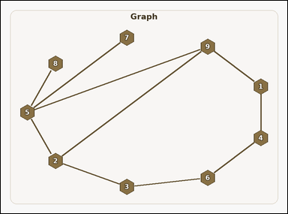 | 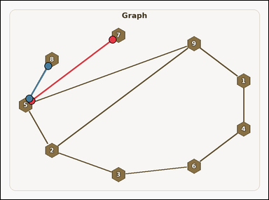 | task_graph_counting_bridge_count | bridge_count | You are given an image with a labeled undirected graph. Task: How many edges are bridges? Return a valid JSON object with keys "evidence" and "answer" in that order. Evidence requirement: set "evidence" to an array of two-label arrays naming the endpoints of all bridge edges. Answer format: set "answer" to the count of bridge edges as an integer. Example JSON: {"evidence":[["2","5"],["5","8"]],"answer":2} | You are given an image with a labeled undirected graph. Task: How many edges are bridges? Return a valid JSON object with key "answer". Answer rule: set "answer" to the count of bridge edges as an integer. Example JSON: {"answer":2} | {"evidence": [["5", "7"], ["5", "8"]], "answer": 2} | [["5", "7"], ["5", "8"]] | integer | edge_set | 140096259895816 | graph/task_graph_counting_bridge_count/images/default/0010.png | graph/task_graph_counting_bridge_count/data/default/0010.json
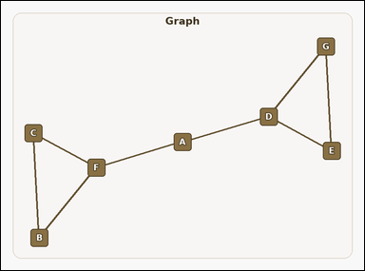 | 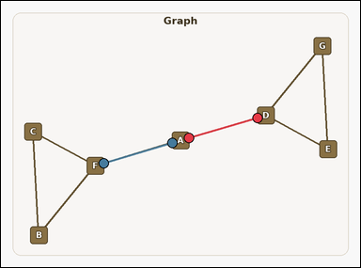 | task_graph_counting_bridge_count | bridge_count | You are given an image with a labeled undirected graph. How many edges are bridges? Return a valid JSON object with keys "evidence" and "answer" in that order. Evidence format: set "evidence" to an array of two-label arrays naming the endpoints of all bridge edges. Answer requirement: set "answer" to the count of bridge edges as an integer. Example JSON: {"evidence":[["B","D"],["D","G"]],"answer":2} | You are given an image with a labeled undirected graph. How many edges are bridges? Return a valid JSON object with key "answer". Answer format: set "answer" to the count of bridge edges as an integer. Example JSON: {"answer":2} | {"evidence": [["A", "D"], ["A", "F"]], "answer": 2} | [["A", "D"], ["A", "F"]] | integer | edge_set | 343135989704808 | graph/task_graph_counting_bridge_count/images/default/0004.png | graph/task_graph_counting_bridge_count/data/default/0004.json
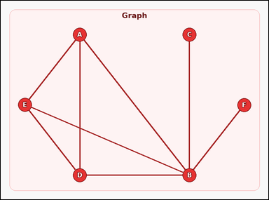 | 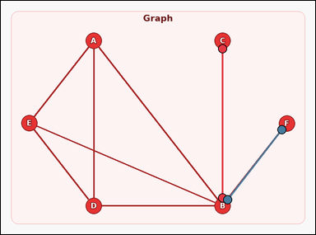 | task_graph_counting_bridge_count | bridge_count | Use the image containing a labeled undirected graph. Question: How many edges are bridges? Return a valid JSON object with keys "evidence" and "answer" in that order. Evidence field: set "evidence" to an array of two-label arrays naming the endpoints of all bridge edges. Answer field: set "answer" to the count of bridge edges as an integer. Example JSON: {"evidence":[["B","D"],["D","G"]],"answer":2} | Use the image containing a labeled undirected graph. Question: How many edges are bridges? Return a valid JSON object with key "answer". Answer rule: set "answer" to the count of bridge edges as an integer. Example JSON: {"answer":2} | {"evidence": [["B", "C"], ["B", "F"]], "answer": 2} | [["B", "C"], ["B", "F"]] | integer | edge_set | 389452798896186 | graph/task_graph_counting_bridge_count/images/default/0006.png | graph/task_graph_counting_bridge_count/data/default/0006.json
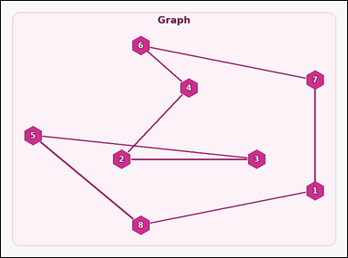 |  | task_graph_counting_bridge_count | bridge_count | Use the image containing a labeled undirected graph. Question: How many edges are bridges? Return a valid JSON object with keys "evidence" and "answer" in that order. Evidence rule: set "evidence" to an array of two-label arrays naming the endpoints of all bridge edges. Answer rule: set "answer" to the count of bridge edges as an integer. Example JSON: {"evidence":[["2","5"],["5","8"]],"answer":2} | Use the image containing a labeled undirected graph. Question: How many edges are bridges? Return a valid JSON object with key "answer". Answer requirement: set "answer" to the count of bridge edges as an integer. Example JSON: {"answer":2} | {"evidence": [], "answer": 0} | [] | integer | edge_set | 1.0336724457E+15 | graph/task_graph_counting_bridge_count/images/default/0017.png | graph/task_graph_counting_bridge_count/data/default/0017.json
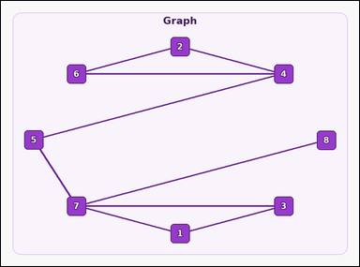 | 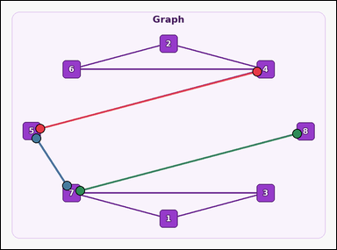 | task_graph_counting_bridge_count | bridge_count | You are given an image with a labeled undirected graph. Determine the answer: How many edges are bridges? Return a valid JSON object with keys "evidence" and "answer" in that order. Evidence requirement: set "evidence" to an array of two-label arrays naming the endpoints of all bridge edges. Answer format: set "answer" to the count of bridge edges as an integer. Example JSON: {"evidence":[["2","5"],["5","8"]],"answer":2} | You are given an image with a labeled undirected graph. Determine the answer: How many edges are bridges? Return a valid JSON object with key "answer". Answer: set "answer" to the count of bridge edges as an integer. Example JSON: {"answer":2} | {"evidence": [["4", "5"], ["5", "7"], ["7", "8"]], "answer": 3} | [["4", "5"], ["5", "7"], ["7", "8"]] | integer | edge_set | 1.0712834011E+15 | graph/task_graph_counting_bridge_count/images/default/0009.png | graph/task_graph_counting_bridge_count/data/default/0009.json
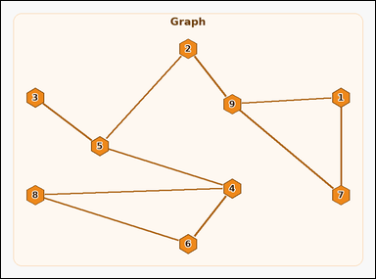 | 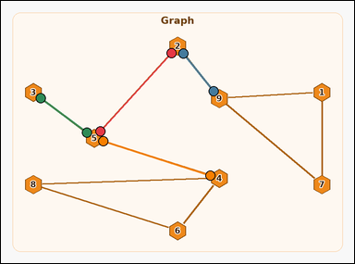 | task_graph_counting_bridge_count | bridge_count | Look at the image with a labeled undirected graph. Answer this question: How many edges are bridges? Return a valid JSON object with keys "evidence" and "answer" in that order. Evidence format: set "evidence" to an array of two-label arrays naming the endpoints of all bridge edges. Answer requirement: set "answer" to the count of bridge edges as an integer. Example JSON: {"evidence":[["2","5"],["5","8"]],"answer":2} | Look at the image with a labeled undirected graph. Answer this question: How many edges are bridges? Return a valid JSON object with key "answer". Answer requirement: set "answer" to the count of bridge edges as an integer. Example JSON: {"answer":2} | {"evidence": [["2", "5"], ["2", "9"], ["3", "5"], ["4", "5"]], "answer": 4} | [["2", "5"], ["2", "9"], ["3", "5"], ["4", "5"]] | integer | edge_set | 1.4518578469E+15 | graph/task_graph_counting_bridge_count/images/default/0002.png | graph/task_graph_counting_bridge_count/data/default/0002.json
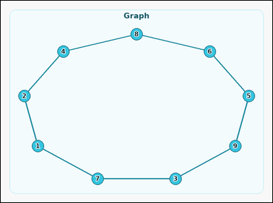 |  | task_graph_counting_bridge_count | bridge_count | Look at the image with a labeled undirected graph. Determine the answer: How many edges are bridges? Return a valid JSON object with keys "evidence" and "answer" in that order. Evidence rule: set "evidence" to an array of two-label arrays naming the endpoints of all bridge edges. Answer rule: set "answer" to the count of bridge edges as an integer. Example JSON: {"evidence":[["2","5"],["5","8"]],"answer":2} | Look at the image with a labeled undirected graph. Determine the answer: How many edges are bridges? Return a valid JSON object with key "answer". Answer requirement: set "answer" to the count of bridge edges as an integer. Example JSON: {"answer":2} | {"evidence": [], "answer": 0} | [] | integer | edge_set | 1.7528330332E+15 | graph/task_graph_counting_bridge_count/images/default/0023.png | graph/task_graph_counting_bridge_count/data/default/0023.json
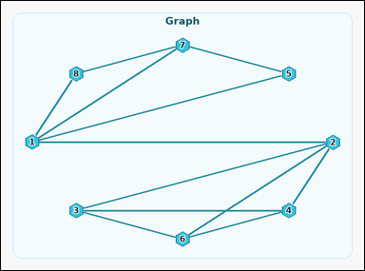 | 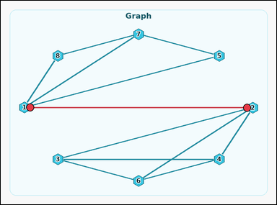 | task_graph_counting_bridge_count | bridge_count | Use the image containing a labeled undirected graph. Task: How many edges are bridges? Return a valid JSON object with keys "evidence" and "answer" in that order. Evidence field: set "evidence" to an array of two-label arrays naming the endpoints of all bridge edges. Answer field: set "answer" to the count of bridge edges as an integer. Example JSON: {"evidence":[["2","5"],["5","8"]],"answer":2} | Use the image containing a labeled undirected graph. Task: How many edges are bridges? Return a valid JSON object with key "answer". Answer rule: set "answer" to the count of bridge edges as an integer. Example JSON: {"answer":2} | {"evidence": [["1", "2"]], "answer": 1} | [["1", "2"]] | integer | edge_set | 2.1561565499E+15 | graph/task_graph_counting_bridge_count/images/default/0000.png | graph/task_graph_counting_bridge_count/data/default/0000.json
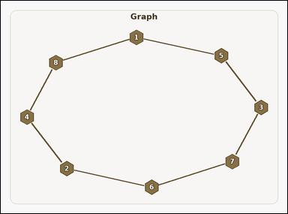 |  | task_graph_counting_bridge_count | bridge_count | The image shows a labeled undirected graph. Task: How many edges are bridges? Return a valid JSON object with keys "evidence" and "answer" in that order. Evidence: set "evidence" to an array of two-label arrays naming the endpoints of all bridge edges. Answer: set "answer" to the count of bridge edges as an integer. Example JSON: {"evidence":[["2","5"],["5","8"]],"answer":2} | The image shows a labeled undirected graph. Task: How many edges are bridges? Return a valid JSON object with key "answer". Answer rule: set "answer" to the count of bridge edges as an integer. Example JSON: {"answer":2} | {"evidence": [], "answer": 0} | [] | integer | edge_set | 2.7380007763E+15 | graph/task_graph_counting_bridge_count/images/default/0003.png | graph/task_graph_counting_bridge_count/data/default/0003.json
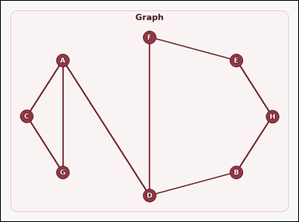 | 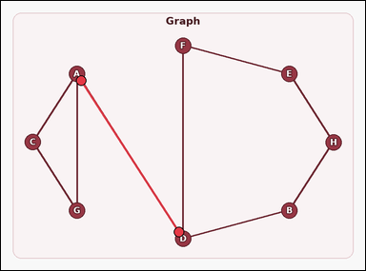 | task_graph_counting_bridge_count | bridge_count | You are given an image with a labeled undirected graph. Answer this question: How many edges are bridges? Return a valid JSON object with keys "evidence" and "answer" in that order. Evidence format: set "evidence" to an array of two-label arrays naming the endpoints of all bridge edges. Answer requirement: set "answer" to the count of bridge edges as an integer. Example JSON: {"evidence":[["B","D"],["D","G"]],"answer":2} | You are given an image with a labeled undirected graph. Answer this question: How many edges are bridges? Return a valid JSON object with key "answer". Answer format: set "answer" to the count of bridge edges as an integer. Example JSON: {"answer":2} | {"evidence": [["A", "D"]], "answer": 1} | [["A", "D"]] | integer | edge_set | 3.1433825981E+15 | graph/task_graph_counting_bridge_count/images/default/0022.png | graph/task_graph_counting_bridge_count/data/default/0022.json
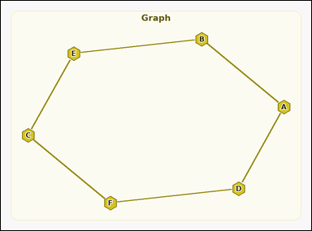 |  | task_graph_counting_bridge_count | bridge_count | The image shows a labeled undirected graph. Question: How many edges are bridges? Return a valid JSON object with keys "evidence" and "answer" in that order. Evidence requirement: set "evidence" to an array of two-label arrays naming the endpoints of all bridge edges. Answer format: set "answer" to the count of bridge edges as an integer. Example JSON: {"evidence":[["B","D"],["D","G"]],"answer":2} | The image shows a labeled undirected graph. Question: How many edges are bridges? Return a valid JSON object with key "answer". Answer format: set "answer" to the count of bridge edges as an integer. Example JSON: {"answer":2} | {"evidence": [], "answer": 0} | [] | integer | edge_set | 3.2483117973E+15 | graph/task_graph_counting_bridge_count/images/default/0024.png | graph/task_graph_counting_bridge_count/data/default/0024.json
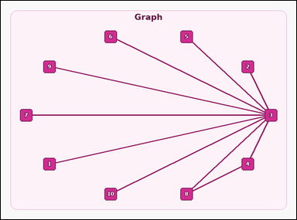 | 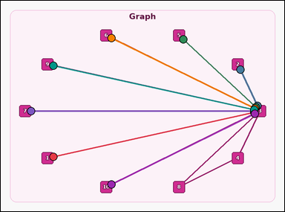 | task_graph_counting_bridge_count | bridge_count | Use the image containing a labeled undirected graph. How many edges are bridges? Return a valid JSON object with keys "evidence" and "answer" in that order. Evidence field: set "evidence" to an array of two-label arrays naming the endpoints of all bridge edges. Answer field: set "answer" to the count of bridge edges as an integer. Example JSON: {"evidence":[["2","5"],["5","8"]],"answer":2} | Use the image containing a labeled undirected graph. How many edges are bridges? Return a valid JSON object with key "answer". Answer rule: set "answer" to the count of bridge edges as an integer. Example JSON: {"answer":2} | {"evidence": [["1", "3"], ["2", "3"], ["3", "5"], ["3", "6"], ["3", "7"], ["3", "9"], ["3", "10"]], "answer": 7} | [["1", "3"], ["2", "3"], ["3", "5"], ["3", "6"], ["3", "7"], ["3", "9"], ["3", "10"]] | integer | edge_set | 3.407158844E+15 | graph/task_graph_counting_bridge_count/images/default/0011.png | graph/task_graph_counting_bridge_count/data/default/0011.json
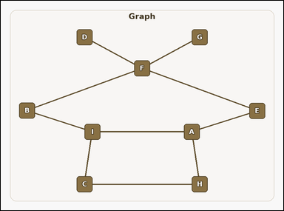 | 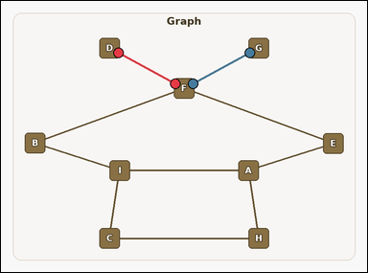 | task_graph_counting_bridge_count | bridge_count | The image shows a labeled undirected graph. Task: How many edges are bridges? Return a valid JSON object with keys "evidence" and "answer" in that order. Evidence rule: set "evidence" to an array of two-label arrays naming the endpoints of all bridge edges. Answer rule: set "answer" to the count of bridge edges as an integer. Example JSON: {"evidence":[["B","D"],["D","G"]],"answer":2} | The image shows a labeled undirected graph. Task: How many edges are bridges? Return a valid JSON object with key "answer". Answer field: set "answer" to the count of bridge edges as an integer. Example JSON: {"answer":2} | {"evidence": [["D", "F"], ["F", "G"]], "answer": 2} | [["D", "F"], ["F", "G"]] | integer | edge_set | 3.5193741014E+15 | graph/task_graph_counting_bridge_count/images/default/0008.png | graph/task_graph_counting_bridge_count/data/default/0008.json
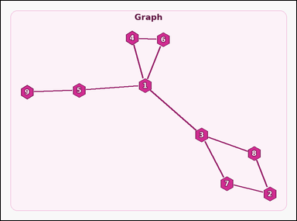 | 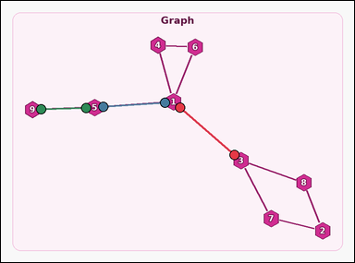 | task_graph_counting_bridge_count | bridge_count | Look at the image with a labeled undirected graph. Question: How many edges are bridges? Return a valid JSON object with keys "evidence" and "answer" in that order. Evidence rule: set "evidence" to an array of two-label arrays naming the endpoints of all bridge edges. Answer rule: set "answer" to the count of bridge edges as an integer. Example JSON: {"evidence":[["2","5"],["5","8"]],"answer":2} | Look at the image with a labeled undirected graph. Question: How many edges are bridges? Return a valid JSON object with key "answer". Answer requirement: set "answer" to the count of bridge edges as an integer. Example JSON: {"answer":2} | {"evidence": [["1", "3"], ["1", "5"], ["5", "9"]], "answer": 3} | [["1", "3"], ["1", "5"], ["5", "9"]] | integer | edge_set | 3.5407694072E+15 | graph/task_graph_counting_bridge_count/images/default/0018.png | graph/task_graph_counting_bridge_count/data/default/0018.json
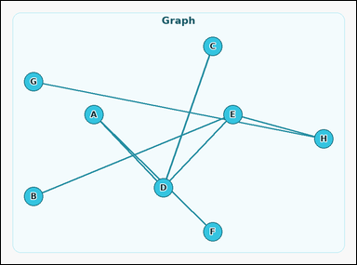 | 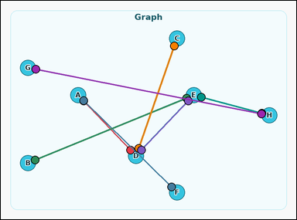 | task_graph_counting_bridge_count | bridge_count | Look at the image with a labeled undirected graph. How many edges are bridges? Return a valid JSON object with keys "evidence" and "answer" in that order. Evidence format: set "evidence" to an array of two-label arrays naming the endpoints of all bridge edges. Answer requirement: set "answer" to the count of bridge edges as an integer. Example JSON: {"evidence":[["B","D"],["D","G"]],"answer":2} | Look at the image with a labeled undirected graph. How many edges are bridges? Return a valid JSON object with key "answer". Answer format: set "answer" to the count of bridge edges as an integer. Example JSON: {"answer":2} | {"evidence": [["A", "D"], ["A", "F"], ["B", "E"], ["C", "D"], ["D", "E"], ["E", "H"], ["G", "H"]], "answer": 7} | [["A", "D"], ["A", "F"], ["B", "E"], ["C", "D"], ["D", "E"], ["E", "H"], ["G", "H"]] | integer | edge_set | 4.1336789239E+15 | graph/task_graph_counting_bridge_count/images/default/0013.png | graph/task_graph_counting_bridge_count/data/default/0013.json
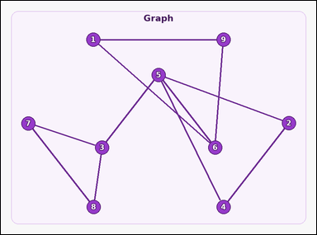 | 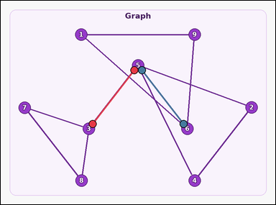 | task_graph_counting_bridge_count | bridge_count | You are given an image with a labeled undirected graph. Answer this question: How many edges are bridges? Return a valid JSON object with keys "evidence" and "answer" in that order. Evidence requirement: set "evidence" to an array of two-label arrays naming the endpoints of all bridge edges. Answer format: set "answer" to the count of bridge edges as an integer. Example JSON: {"evidence":[["2","5"],["5","8"]],"answer":2} | You are given an image with a labeled undirected graph. Answer this question: How many edges are bridges? Return a valid JSON object with key "answer". Answer requirement: set "answer" to the count of bridge edges as an integer. Example JSON: {"answer":2} | {"evidence": [["3", "5"], ["5", "6"]], "answer": 2} | [["3", "5"], ["5", "6"]] | integer | edge_set | 4.5839971021E+15 | graph/task_graph_counting_bridge_count/images/default/0021.png | graph/task_graph_counting_bridge_count/data/default/0021.json
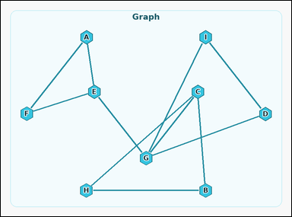 | 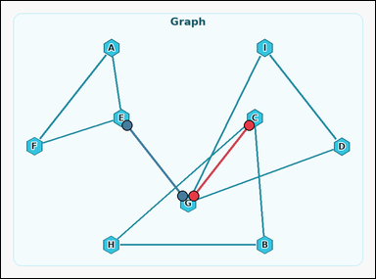 | task_graph_counting_bridge_count | bridge_count | You are given an image with a labeled undirected graph. How many edges are bridges? Return a valid JSON object with keys "evidence" and "answer" in that order. Evidence requirement: set "evidence" to an array of two-label arrays naming the endpoints of all bridge edges. Answer format: set "answer" to the count of bridge edges as an integer. Example JSON: {"evidence":[["B","D"],["D","G"]],"answer":2} | You are given an image with a labeled undirected graph. How many edges are bridges? Return a valid JSON object with key "answer". Answer field: set "answer" to the count of bridge edges as an integer. Example JSON: {"answer":2} | {"evidence": [["C", "G"], ["E", "G"]], "answer": 2} | [["C", "G"], ["E", "G"]] | integer | edge_set | 5.2163970512E+15 | graph/task_graph_counting_bridge_count/images/default/0012.png | graph/task_graph_counting_bridge_count/data/default/0012.json
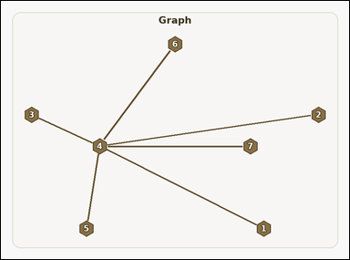 | 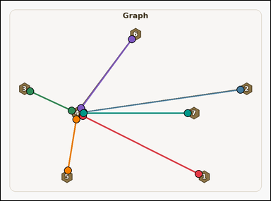 | task_graph_counting_bridge_count | bridge_count | You are given an image with a labeled undirected graph. Determine the answer: How many edges are bridges? Return a valid JSON object with keys "evidence" and "answer" in that order. Evidence field: set "evidence" to an array of two-label arrays naming the endpoints of all bridge edges. Answer field: set "answer" to the count of bridge edges as an integer. Example JSON: {"evidence":[["2","5"],["5","8"]],"answer":2} | You are given an image with a labeled undirected graph. Determine the answer: How many edges are bridges? Return a valid JSON object with key "answer". Answer format: set "answer" to the count of bridge edges as an integer. Example JSON: {"answer":2} | {"evidence": [["1", "4"], ["2", "4"], ["3", "4"], ["4", "5"], ["4", "6"], ["4", "7"]], "answer": 6} | [["1", "4"], ["2", "4"], ["3", "4"], ["4", "5"], ["4", "6"], ["4", "7"]] | integer | edge_set | 5.7727316659E+15 | graph/task_graph_counting_bridge_count/images/default/0015.png | graph/task_graph_counting_bridge_count/data/default/0015.json
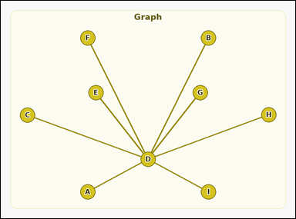 | 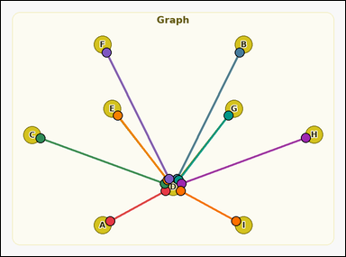 | task_graph_counting_bridge_count | bridge_count | Work from the image with a labeled undirected graph. Answer this question: How many edges are bridges? Return a valid JSON object with keys "evidence" and "answer" in that order. Evidence field: set "evidence" to an array of two-label arrays naming the endpoints of all bridge edges. Answer field: set "answer" to the count of bridge edges as an integer. Example JSON: {"evidence":[["B","D"],["D","G"]],"answer":2} | Work from the image with a labeled undirected graph. Answer this question: How many edges are bridges? Return a valid JSON object with key "answer". Answer: set "answer" to the count of bridge edges as an integer. Example JSON: {"answer":2} | {"evidence": [["A", "D"], ["B", "D"], ["C", "D"], ["D", "E"], ["D", "F"], ["D", "G"], ["D", "H"], ["D", "I"]], "answer": 8} | [["A", "D"], ["B", "D"], ["C", "D"], ["D", "E"], ["D", "F"], ["D", "G"], ["D", "H"], ["D", "I"]] | integer | edge_set | 6.5561652546E+15 | graph/task_graph_counting_bridge_count/images/default/0005.png | graph/task_graph_counting_bridge_count/data/default/0005.json
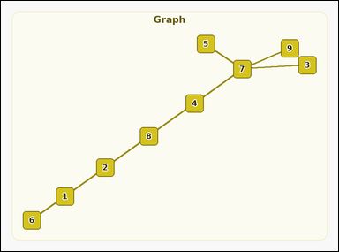 | 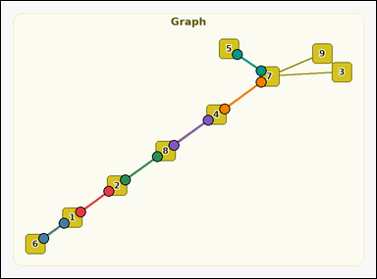 | task_graph_counting_bridge_count | bridge_count | The image shows a labeled undirected graph. Task: How many edges are bridges? Return a valid JSON object with keys "evidence" and "answer" in that order. Evidence requirement: set "evidence" to an array of two-label arrays naming the endpoints of all bridge edges. Answer format: set "answer" to the count of bridge edges as an integer. Example JSON: {"evidence":[["2","5"],["5","8"]],"answer":2} | The image shows a labeled undirected graph. Task: How many edges are bridges? Return a valid JSON object with key "answer". Answer: set "answer" to the count of bridge edges as an integer. Example JSON: {"answer":2} | {"evidence": [["1", "2"], ["1", "6"], ["2", "8"], ["4", "7"], ["4", "8"], ["5", "7"]], "answer": 6} | [["1", "2"], ["1", "6"], ["2", "8"], ["4", "7"], ["4", "8"], ["5", "7"]] | integer | edge_set | 7.454771598E+15 | graph/task_graph_counting_bridge_count/images/default/0019.png | graph/task_graph_counting_bridge_count/data/default/0019.json
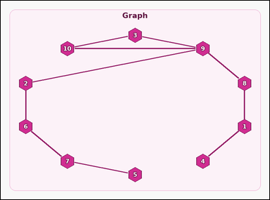 | 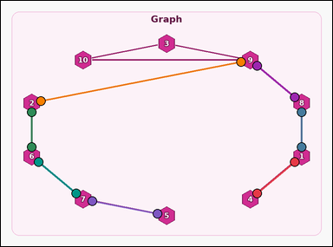 | task_graph_counting_bridge_count | bridge_count | You are given an image with a labeled undirected graph. Question: How many edges are bridges? Return a valid JSON object with keys "evidence" and "answer" in that order. Evidence field: set "evidence" to an array of two-label arrays naming the endpoints of all bridge edges. Answer field: set "answer" to the count of bridge edges as an integer. Example JSON: {"evidence":[["2","5"],["5","8"]],"answer":2} | You are given an image with a labeled undirected graph. Question: How many edges are bridges? Return a valid JSON object with key "answer". Answer: set "answer" to the count of bridge edges as an integer. Example JSON: {"answer":2} | {"evidence": [["1", "4"], ["1", "8"], ["2", "6"], ["2", "9"], ["5", "7"], ["6", "7"], ["8", "9"]], "answer": 7} | [["1", "4"], ["1", "8"], ["2", "6"], ["2", "9"], ["5", "7"], ["6", "7"], ["8", "9"]] | integer | edge_set | 7.6982577811E+15 | graph/task_graph_counting_bridge_count/images/default/0020.png | graph/task_graph_counting_bridge_count/data/default/0020.json
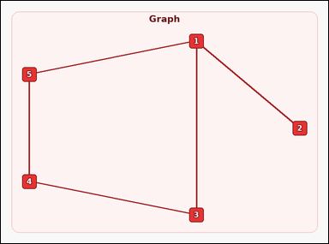 | 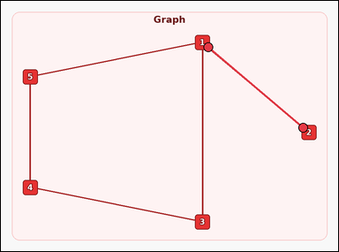 | task_graph_counting_bridge_count | bridge_count | Look at the image with a labeled undirected graph. Question: How many edges are bridges? Return a valid JSON object with keys "evidence" and "answer" in that order. Evidence requirement: set "evidence" to an array of two-label arrays naming the endpoints of all bridge edges. Answer format: set "answer" to the count of bridge edges as an integer. Example JSON: {"evidence":[["2","5"],["5","8"]],"answer":2} | Look at the image with a labeled undirected graph. Question: How many edges are bridges? Return a valid JSON object with key "answer". Answer rule: set "answer" to the count of bridge edges as an integer. Example JSON: {"answer":2} | {"evidence": [["1", "2"]], "answer": 1} | [["1", "2"]] | integer | edge_set | 7.872702355E+15 | graph/task_graph_counting_bridge_count/images/default/0001.png | graph/task_graph_counting_bridge_count/data/default/0001.json
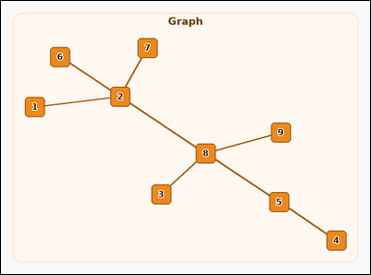 | 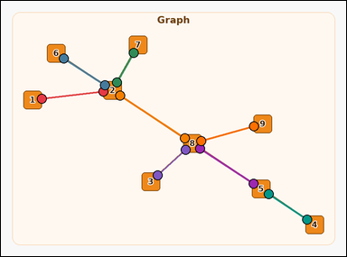 | task_graph_counting_bridge_count | bridge_count | Look at the image with a labeled undirected graph. Answer this question: How many edges are bridges? Return a valid JSON object with keys "evidence" and "answer" in that order. Evidence: set "evidence" to an array of two-label arrays naming the endpoints of all bridge edges. Answer: set "answer" to the count of bridge edges as an integer. Example JSON: {"evidence":[["2","5"],["5","8"]],"answer":2} | Look at the image with a labeled undirected graph. Answer this question: How many edges are bridges? Return a valid JSON object with key "answer". Answer field: set "answer" to the count of bridge edges as an integer. Example JSON: {"answer":2} | {"evidence": [["1", "2"], ["2", "6"], ["2", "7"], ["2", "8"], ["3", "8"], ["4", "5"], ["5", "8"], ["8", "9"]], "answer": 8} | [["1", "2"], ["2", "6"], ["2", "7"], ["2", "8"], ["3", "8"], ["4", "5"], ["5", "8"], ["8", "9"]] | integer | edge_set | 8.5482470138E+15 | graph/task_graph_counting_bridge_count/images/default/0007.png | graph/task_graph_counting_bridge_count/data/default/0007.json
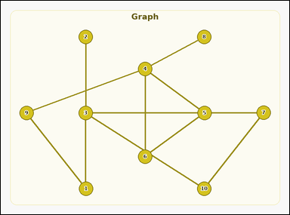 | 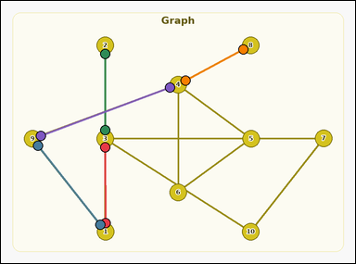 | task_graph_counting_bridge_count | bridge_count | You are given an image with a labeled undirected graph. Task: How many edges are bridges? Return a valid JSON object with keys "evidence" and "answer" in that order. Evidence: set "evidence" to an array of two-label arrays naming the endpoints of all bridge edges. Answer: set "answer" to the count of bridge edges as an integer. Example JSON: {"evidence":[["2","5"],["5","8"]],"answer":2} | You are given an image with a labeled undirected graph. Task: How many edges are bridges? Return a valid JSON object with key "answer". Answer requirement: set "answer" to the count of bridge edges as an integer. Example JSON: {"answer":2} | {"evidence": [["1", "3"], ["1", "9"], ["2", "3"], ["4", "8"], ["4", "9"]], "answer": 5} | [["1", "3"], ["1", "9"], ["2", "3"], ["4", "8"], ["4", "9"]] | integer | edge_set | 8.6421363039E+15 | graph/task_graph_counting_bridge_count/images/default/0016.png | graph/task_graph_counting_bridge_count/data/default/0016.json
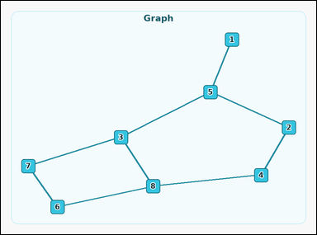 | 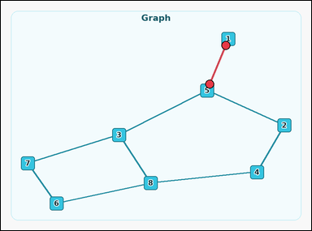 | task_graph_counting_bridge_count | bridge_count | Work from the image with a labeled undirected graph. Answer this question: How many edges are bridges? Return a valid JSON object with keys "evidence" and "answer" in that order. Evidence field: set "evidence" to an array of two-label arrays naming the endpoints of all bridge edges. Answer field: set "answer" to the count of bridge edges as an integer. Example JSON: {"evidence":[["2","5"],["5","8"]],"answer":2} | Work from the image with a labeled undirected graph. Answer this question: How many edges are bridges? Return a valid JSON object with key "answer". Answer field: set "answer" to the count of bridge edges as an integer. Example JSON: {"answer":2} | {"evidence": [["1", "5"]], "answer": 1} | [["1", "5"]] | integer | edge_set | 8.6844642834E+15 | graph/task_graph_counting_bridge_count/images/default/0014.png | graph/task_graph_counting_bridge_count/data/default/0014.json

