branch_next_step
image | evidence_image | task | task_variant | prompt | prompt_answer_only | answer | answer_evidence | answer_type | evidence_type | instance_seed | image_path | data_path
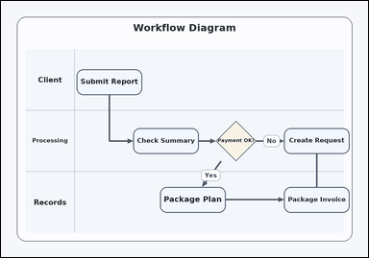 | 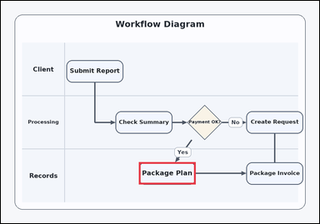 | task_diagrams_flow_next_step_label | branch_next_step | Work from the labeled steps and arrows: a swimlane process diagram with labeled steps and arrows. Read the labeled process steps and then answer: Following the Yes branch from Payment OK?, what is the next step? Return the exact step label shown. Return the exact visible next-step label. Return a valid JSON object with keys "evidence" and "answer" in that order. Evidence field: set "evidence" to an array containing exactly one bounding box [x1, y1, x2, y2] for the correct next-step box. Answer field: set "answer" to the exact visible next-step label. Example JSON: {"evidence":[[624,228,838,312]],"answer":"Fix Record"} | Work from the labeled steps and arrows: a swimlane process diagram with labeled steps and arrows. Read the labeled process steps and then answer: Following the Yes branch from Payment OK?, what is the next step? Return the exact step label shown. Return the exact visible next-step label. Return a valid JSON object with key "answer". Answer rule: set "answer" to the exact visible next-step label. Example JSON: {"answer":"Fix Record"} | {"evidence": [[520.2, 609.64, 734.2, 693.64]], "answer": "Package Plan"} | [[520.2, 609.64, 734.2, 693.64]] | string | bbox_set | 88531567868353 | diagrams/task_diagrams_flow_next_step_label/images/branch_next_step/0001.png | diagrams/task_diagrams_flow_next_step_label/data/branch_next_step/0001.json
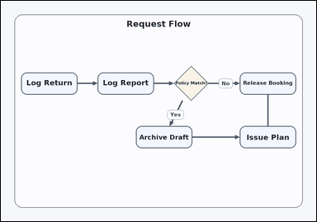 | 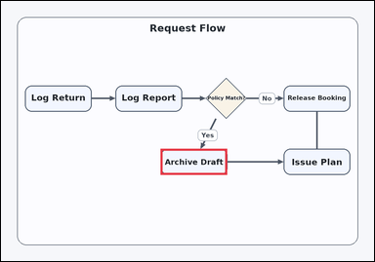 | task_diagrams_flow_next_step_label | branch_next_step | The image shows a flowchart with labeled process boxes and arrows. Determine the correct next step from the diagram: Following the Yes branch from Policy Match?, what is the next step? Return the exact step label shown. Respond with the exact step label from the diagram. Return a valid JSON object with keys "evidence" and "answer" in that order. Evidence: set "evidence" to an array containing exactly one bounding box [x1, y1, x2, y2] for the correct next-step box. Answer: set "answer" to the exact visible next-step label. Example JSON: {"evidence":[[624,228,838,312]],"answer":"Fix Record"} | The image shows a flowchart with labeled process boxes and arrows. Determine the correct next step from the diagram: Following the Yes branch from Policy Match?, what is the next step? Return the exact step label shown. Respond with the exact step label from the diagram. Return a valid JSON object with key "answer". Answer: set "answer" to the exact visible next-step label. Example JSON: {"answer":"Fix Record"} | {"evidence": [[513.8, 477.2, 727.8, 561.2]], "answer": "Archive Draft"} | [[513.8, 477.2, 727.8, 561.2]] | string | bbox_set | 231011270611313 | diagrams/task_diagrams_flow_next_step_label/images/branch_next_step/0015.png | diagrams/task_diagrams_flow_next_step_label/data/branch_next_step/0015.json
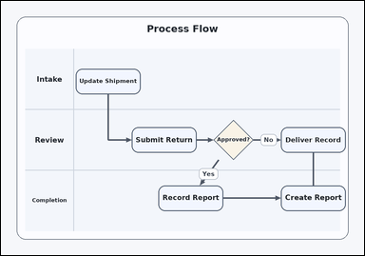 | 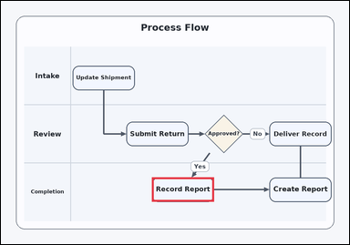 | task_diagrams_flow_next_step_label | branch_next_step | You are given a swimlane process diagram with labeled steps and arrows. Following the Yes branch from Approved?, what is the next step? Return the exact step label shown. Return the exact visible next-step label. Return a valid JSON object with keys "evidence" and "answer" in that order. Evidence field: set "evidence" to an array containing exactly one bounding box [x1, y1, x2, y2] for the correct next-step box. Answer field: set "answer" to the exact visible next-step label. Example JSON: {"evidence":[[624,228,838,312]],"answer":"Fix Record"} | You are given a swimlane process diagram with labeled steps and arrows. Following the Yes branch from Approved?, what is the next step? Return the exact step label shown. Return the exact visible next-step label. Return a valid JSON object with key "answer". Answer field: set "answer" to the exact visible next-step label. Example JSON: {"answer":"Fix Record"} | {"evidence": [[520.2, 609.64, 734.2, 693.64]], "answer": "Record Report"} | [[520.2, 609.64, 734.2, 693.64]] | string | bbox_set | 423161224446431 | diagrams/task_diagrams_flow_next_step_label/images/branch_next_step/0017.png | diagrams/task_diagrams_flow_next_step_label/data/branch_next_step/0017.json
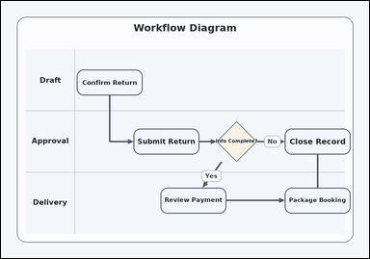 | 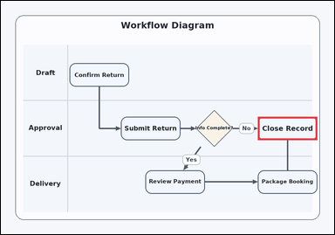 | task_diagrams_flow_next_step_label | branch_next_step | You are given a swimlane process diagram with labeled steps and arrows. Determine the correct next step from the diagram: Following the No branch from Info Complete?, what is the next step? Return the exact step label shown. Answer with the exact step label shown. Return a valid JSON object with keys "evidence" and "answer" in that order. Evidence rule: set "evidence" to an array containing exactly one bounding box [x1, y1, x2, y2] for the correct next-step box. Answer rule: set "answer" to the exact visible next-step label. Example JSON: {"evidence":[[624,228,838,312]],"answer":"Fix Record"} | You are given a swimlane process diagram with labeled steps and arrows. Determine the correct next step from the diagram: Following the No branch from Info Complete?, what is the next step? Return the exact step label shown. Answer with the exact step label shown. Return a valid JSON object with key "answer". Answer format: set "answer" to the exact visible next-step label. Example JSON: {"answer":"Fix Record"} | {"evidence": [[925.0, 417.0, 1139.0, 501.0]], "answer": "Close Record"} | [[925.0, 417.0, 1139.0, 501.0]] | string | bbox_set | 806343218174627 | diagrams/task_diagrams_flow_next_step_label/images/branch_next_step/0013.png | diagrams/task_diagrams_flow_next_step_label/data/branch_next_step/0013.json
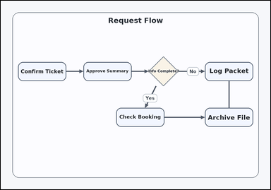 | 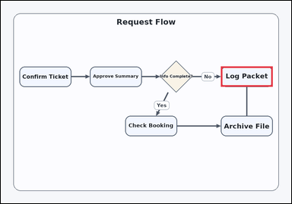 | task_diagrams_flow_next_step_label | branch_next_step | Use the process diagram in the image: a flowchart with labeled process boxes and arrows. Follow the arrows and answer this question: Following the No branch from Info Complete?, what is the next step? Return the exact step label shown. Respond with the exact step label from the diagram. Return a valid JSON object with keys "evidence" and "answer" in that order. Evidence requirement: set "evidence" to an array containing exactly one bounding box [x1, y1, x2, y2] for the correct next-step box. Answer format: set "answer" to the exact visible next-step label. Example JSON: {"evidence":[[624,228,838,312]],"answer":"Fix Record"} | Use the process diagram in the image: a flowchart with labeled process boxes and arrows. Follow the arrows and answer this question: Following the No branch from Info Complete?, what is the next step? Return the exact step label shown. Respond with the exact step label from the diagram. Return a valid JSON object with key "answer". Answer format: set "answer" to the exact visible next-step label. Example JSON: {"answer":"Fix Record"} | {"evidence": [[909.0, 272.52, 1123.0, 356.52]], "answer": "Log Packet"} | [[909.0, 272.52, 1123.0, 356.52]] | string | bbox_set | 1.1127044712E+15 | diagrams/task_diagrams_flow_next_step_label/images/branch_next_step/0023.png | diagrams/task_diagrams_flow_next_step_label/data/branch_next_step/0023.json
 | 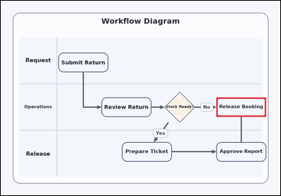 | task_diagrams_flow_next_step_label | branch_next_step | Look at the process diagram in the image: a swimlane process diagram with labeled steps and arrows. Follow the arrows and answer this question: Following the No branch from Stock Ready?, what is the next step? Return the exact step label shown. Answer with the exact step label shown. Return a valid JSON object with keys "evidence" and "answer" in that order. Evidence rule: set "evidence" to an array containing exactly one bounding box [x1, y1, x2, y2] for the correct next-step box. Answer rule: set "answer" to the exact visible next-step label. Example JSON: {"evidence":[[624,228,838,312]],"answer":"Fix Record"} | Look at the process diagram in the image: a swimlane process diagram with labeled steps and arrows. Follow the arrows and answer this question: Following the No branch from Stock Ready?, what is the next step? Return the exact step label shown. Answer with the exact step label shown. Return a valid JSON object with key "answer". Answer format: set "answer" to the exact visible next-step label. Example JSON: {"answer":"Fix Record"} | {"evidence": [[925.0, 417.0, 1139.0, 501.0]], "answer": "Release Booking"} | [[925.0, 417.0, 1139.0, 501.0]] | string | bbox_set | 1.650036089E+15 | diagrams/task_diagrams_flow_next_step_label/images/branch_next_step/0010.png | diagrams/task_diagrams_flow_next_step_label/data/branch_next_step/0010.json
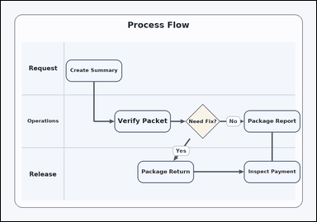 | 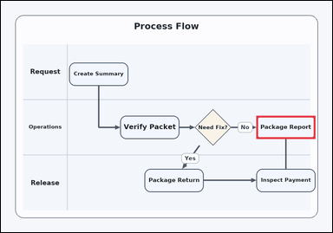 | task_diagrams_flow_next_step_label | branch_next_step | Work from the labeled steps and arrows: a swimlane process diagram with labeled steps and arrows. Read the labeled process steps and then answer: Following the No branch from Need Fix?, what is the next step? Return the exact step label shown. Answer using the exact visible step label. Return a valid JSON object with keys "evidence" and "answer" in that order. Evidence rule: set "evidence" to an array containing exactly one bounding box [x1, y1, x2, y2] for the correct next-step box. Answer rule: set "answer" to the exact visible next-step label. Example JSON: {"evidence":[[624,228,838,312]],"answer":"Fix Record"} | Work from the labeled steps and arrows: a swimlane process diagram with labeled steps and arrows. Read the labeled process steps and then answer: Following the No branch from Need Fix?, what is the next step? Return the exact step label shown. Answer using the exact visible step label. Return a valid JSON object with key "answer". Answer requirement: set "answer" to the exact visible next-step label. Example JSON: {"answer":"Fix Record"} | {"evidence": [[925.0, 417.0, 1139.0, 501.0]], "answer": "Package Report"} | [[925.0, 417.0, 1139.0, 501.0]] | string | bbox_set | 1.6670694658E+15 | diagrams/task_diagrams_flow_next_step_label/images/branch_next_step/0006.png | diagrams/task_diagrams_flow_next_step_label/data/branch_next_step/0006.json
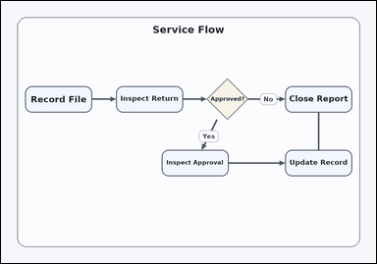 | 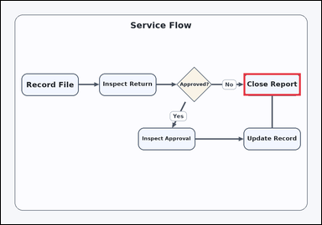 | task_diagrams_flow_next_step_label | branch_next_step | Look at the process diagram in the image: a flowchart with labeled process boxes and arrows. Following the No branch from Approved?, what is the next step? Return the exact step label shown. Return the exact visible next-step label. Return a valid JSON object with keys "evidence" and "answer" in that order. Evidence: set "evidence" to an array containing exactly one bounding box [x1, y1, x2, y2] for the correct next-step box. Answer: set "answer" to the exact visible next-step label. Example JSON: {"evidence":[[624,228,838,312]],"answer":"Fix Record"} | Look at the process diagram in the image: a flowchart with labeled process boxes and arrows. Following the No branch from Approved?, what is the next step? Return the exact step label shown. Return the exact visible next-step label. Return a valid JSON object with key "answer". Answer field: set "answer" to the exact visible next-step label. Example JSON: {"answer":"Fix Record"} | {"evidence": [[909.0, 272.52, 1123.0, 356.52]], "answer": "Close Report"} | [[909.0, 272.52, 1123.0, 356.52]] | string | bbox_set | 2.7929784921E+15 | diagrams/task_diagrams_flow_next_step_label/images/branch_next_step/0012.png | diagrams/task_diagrams_flow_next_step_label/data/branch_next_step/0012.json
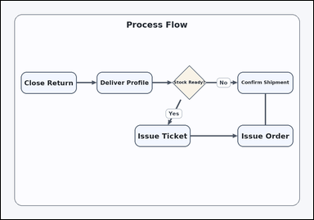 | 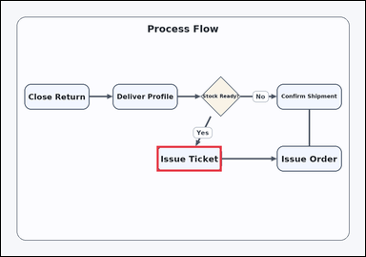 | task_diagrams_flow_next_step_label | branch_next_step | Work from the labeled steps and arrows: a flowchart with labeled process boxes and arrows. Use the diagram structure to answer: Following the Yes branch from Stock Ready?, what is the next step? Return the exact step label shown. Give the full next-step label exactly as shown. Return a valid JSON object with keys "evidence" and "answer" in that order. Evidence rule: set "evidence" to an array containing exactly one bounding box [x1, y1, x2, y2] for the correct next-step box. Answer rule: set "answer" to the exact visible next-step label. Example JSON: {"evidence":[[624,228,838,312]],"answer":"Fix Record"} | Work from the labeled steps and arrows: a flowchart with labeled process boxes and arrows. Use the diagram structure to answer: Following the Yes branch from Stock Ready?, what is the next step? Return the exact step label shown. Give the full next-step label exactly as shown. Return a valid JSON object with key "answer". Answer: set "answer" to the exact visible next-step label. Example JSON: {"answer":"Fix Record"} | {"evidence": [[513.8, 477.2, 727.8, 561.2]], "answer": "Issue Ticket"} | [[513.8, 477.2, 727.8, 561.2]] | string | bbox_set | 3.104628685E+15 | diagrams/task_diagrams_flow_next_step_label/images/branch_next_step/0002.png | diagrams/task_diagrams_flow_next_step_label/data/branch_next_step/0002.json
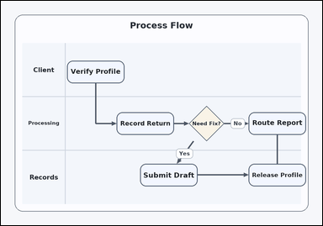 | 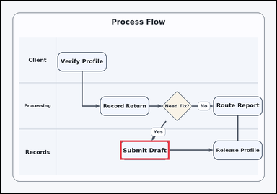 | task_diagrams_flow_next_step_label | branch_next_step | You are given a swimlane process diagram with labeled steps and arrows. Follow the arrows and answer this question: Following the Yes branch from Need Fix?, what is the next step? Return the exact step label shown. Answer with the exact step label shown. Return a valid JSON object with keys "evidence" and "answer" in that order. Evidence format: set "evidence" to an array containing exactly one bounding box [x1, y1, x2, y2] for the correct next-step box. Answer requirement: set "answer" to the exact visible next-step label. Example JSON: {"evidence":[[624,228,838,312]],"answer":"Fix Record"} | You are given a swimlane process diagram with labeled steps and arrows. Follow the arrows and answer this question: Following the Yes branch from Need Fix?, what is the next step? Return the exact step label shown. Answer with the exact step label shown. Return a valid JSON object with key "answer". Answer rule: set "answer" to the exact visible next-step label. Example JSON: {"answer":"Fix Record"} | {"evidence": [[520.2, 609.64, 734.2, 693.64]], "answer": "Submit Draft"} | [[520.2, 609.64, 734.2, 693.64]] | string | bbox_set | 3.179387571E+15 | diagrams/task_diagrams_flow_next_step_label/images/branch_next_step/0018.png | diagrams/task_diagrams_flow_next_step_label/data/branch_next_step/0018.json
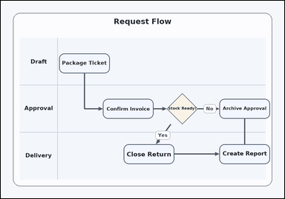 | 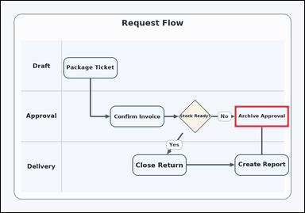 | task_diagrams_flow_next_step_label | branch_next_step | Use the process diagram in the image: a swimlane process diagram with labeled steps and arrows. Following the No branch from Stock Ready?, what is the next step? Return the exact step label shown. Respond with the exact step label from the diagram. Return a valid JSON object with keys "evidence" and "answer" in that order. Evidence requirement: set "evidence" to an array containing exactly one bounding box [x1, y1, x2, y2] for the correct next-step box. Answer format: set "answer" to the exact visible next-step label. Example JSON: {"evidence":[[624,228,838,312]],"answer":"Fix Record"} | Use the process diagram in the image: a swimlane process diagram with labeled steps and arrows. Following the No branch from Stock Ready?, what is the next step? Return the exact step label shown. Respond with the exact step label from the diagram. Return a valid JSON object with key "answer". Answer format: set "answer" to the exact visible next-step label. Example JSON: {"answer":"Fix Record"} | {"evidence": [[925.0, 417.0, 1139.0, 501.0]], "answer": "Archive Approval"} | [[925.0, 417.0, 1139.0, 501.0]] | string | bbox_set | 3.3206278963E+15 | diagrams/task_diagrams_flow_next_step_label/images/branch_next_step/0007.png | diagrams/task_diagrams_flow_next_step_label/data/branch_next_step/0007.json
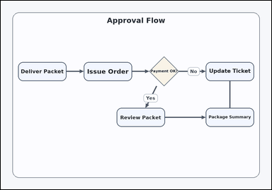 | 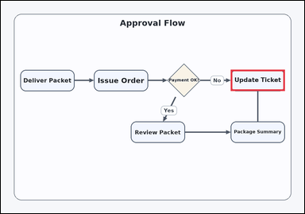 | task_diagrams_flow_next_step_label | branch_next_step | Work from the labeled steps and arrows: a flowchart with labeled process boxes and arrows. Following the No branch from Payment OK?, what is the next step? Return the exact step label shown. Respond with the exact step label from the diagram. Return a valid JSON object with keys "evidence" and "answer" in that order. Evidence: set "evidence" to an array containing exactly one bounding box [x1, y1, x2, y2] for the correct next-step box. Answer: set "answer" to the exact visible next-step label. Example JSON: {"evidence":[[624,228,838,312]],"answer":"Fix Record"} | Work from the labeled steps and arrows: a flowchart with labeled process boxes and arrows. Following the No branch from Payment OK?, what is the next step? Return the exact step label shown. Respond with the exact step label from the diagram. Return a valid JSON object with key "answer". Answer format: set "answer" to the exact visible next-step label. Example JSON: {"answer":"Fix Record"} | {"evidence": [[909.0, 272.52, 1123.0, 356.52]], "answer": "Update Ticket"} | [[909.0, 272.52, 1123.0, 356.52]] | string | bbox_set | 3.4208454348E+15 | diagrams/task_diagrams_flow_next_step_label/images/branch_next_step/0004.png | diagrams/task_diagrams_flow_next_step_label/data/branch_next_step/0004.json
 | 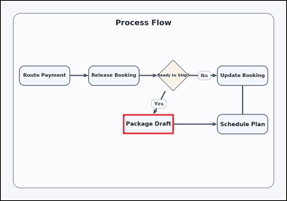 | task_diagrams_flow_next_step_label | branch_next_step | You are given a flowchart with labeled process boxes and arrows. Read the labeled process steps and then answer: Following the Yes branch from Ready to Ship?, what is the next step? Return the exact step label shown. Respond with the exact step label from the diagram. Return a valid JSON object with keys "evidence" and "answer" in that order. Evidence rule: set "evidence" to an array containing exactly one bounding box [x1, y1, x2, y2] for the correct next-step box. Answer rule: set "answer" to the exact visible next-step label. Example JSON: {"evidence":[[624,228,838,312]],"answer":"Fix Record"} | You are given a flowchart with labeled process boxes and arrows. Read the labeled process steps and then answer: Following the Yes branch from Ready to Ship?, what is the next step? Return the exact step label shown. Respond with the exact step label from the diagram. Return a valid JSON object with key "answer". Answer requirement: set "answer" to the exact visible next-step label. Example JSON: {"answer":"Fix Record"} | {"evidence": [[513.8, 477.2, 727.8, 561.2]], "answer": "Package Draft"} | [[513.8, 477.2, 727.8, 561.2]] | string | bbox_set | 3.9080314061E+15 | diagrams/task_diagrams_flow_next_step_label/images/branch_next_step/0009.png | diagrams/task_diagrams_flow_next_step_label/data/branch_next_step/0009.json
 | 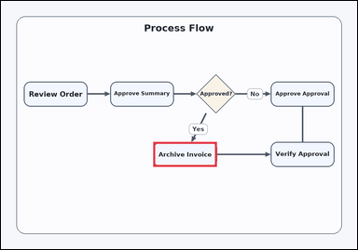 | task_diagrams_flow_next_step_label | branch_next_step | Use the process diagram in the image: a flowchart with labeled process boxes and arrows. Follow the arrows and answer this question: Following the Yes branch from Approved?, what is the next step? Return the exact step label shown. Respond with the exact step label from the diagram. Return a valid JSON object with keys "evidence" and "answer" in that order. Evidence requirement: set "evidence" to an array containing exactly one bounding box [x1, y1, x2, y2] for the correct next-step box. Answer format: set "answer" to the exact visible next-step label. Example JSON: {"evidence":[[624,228,838,312]],"answer":"Fix Record"} | Use the process diagram in the image: a flowchart with labeled process boxes and arrows. Follow the arrows and answer this question: Following the Yes branch from Approved?, what is the next step? Return the exact step label shown. Respond with the exact step label from the diagram. Return a valid JSON object with key "answer". Answer rule: set "answer" to the exact visible next-step label. Example JSON: {"answer":"Fix Record"} | {"evidence": [[513.8, 477.2, 727.8, 561.2]], "answer": "Archive Invoice"} | [[513.8, 477.2, 727.8, 561.2]] | string | bbox_set | 4.2552304919E+15 | diagrams/task_diagrams_flow_next_step_label/images/branch_next_step/0000.png | diagrams/task_diagrams_flow_next_step_label/data/branch_next_step/0000.json
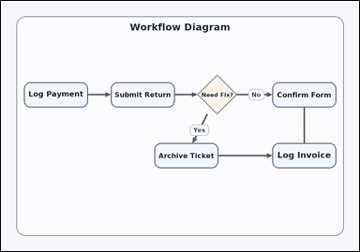 | 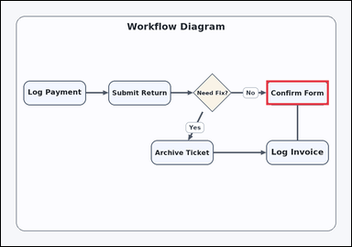 | task_diagrams_flow_next_step_label | branch_next_step | You are given a flowchart with labeled process boxes and arrows. Following the No branch from Need Fix?, what is the next step? Return the exact step label shown. Answer using the exact visible step label. Return a valid JSON object with keys "evidence" and "answer" in that order. Evidence format: set "evidence" to an array containing exactly one bounding box [x1, y1, x2, y2] for the correct next-step box. Answer requirement: set "answer" to the exact visible next-step label. Example JSON: {"evidence":[[624,228,838,312]],"answer":"Fix Record"} | You are given a flowchart with labeled process boxes and arrows. Following the No branch from Need Fix?, what is the next step? Return the exact step label shown. Answer using the exact visible step label. Return a valid JSON object with key "answer". Answer rule: set "answer" to the exact visible next-step label. Example JSON: {"answer":"Fix Record"} | {"evidence": [[909.0, 272.52, 1123.0, 356.52]], "answer": "Confirm Form"} | [[909.0, 272.52, 1123.0, 356.52]] | string | bbox_set | 5.0963323013E+15 | diagrams/task_diagrams_flow_next_step_label/images/branch_next_step/0022.png | diagrams/task_diagrams_flow_next_step_label/data/branch_next_step/0022.json
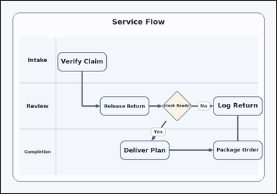 | 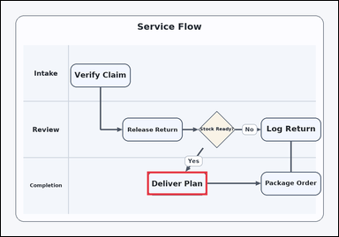 | task_diagrams_flow_next_step_label | branch_next_step | The image shows a swimlane process diagram with labeled steps and arrows. Following the Yes branch from Stock Ready?, what is the next step? Return the exact step label shown. Answer using the exact visible step label. Return a valid JSON object with keys "evidence" and "answer" in that order. Evidence requirement: set "evidence" to an array containing exactly one bounding box [x1, y1, x2, y2] for the correct next-step box. Answer format: set "answer" to the exact visible next-step label. Example JSON: {"evidence":[[624,228,838,312]],"answer":"Fix Record"} | The image shows a swimlane process diagram with labeled steps and arrows. Following the Yes branch from Stock Ready?, what is the next step? Return the exact step label shown. Answer using the exact visible step label. Return a valid JSON object with key "answer". Answer requirement: set "answer" to the exact visible next-step label. Example JSON: {"answer":"Fix Record"} | {"evidence": [[520.2, 609.64, 734.2, 693.64]], "answer": "Deliver Plan"} | [[520.2, 609.64, 734.2, 693.64]] | string | bbox_set | 5.2517375341E+15 | diagrams/task_diagrams_flow_next_step_label/images/branch_next_step/0019.png | diagrams/task_diagrams_flow_next_step_label/data/branch_next_step/0019.json
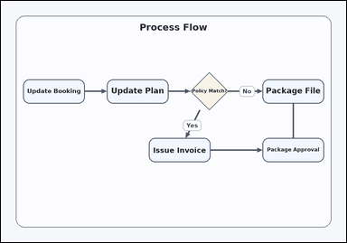 | 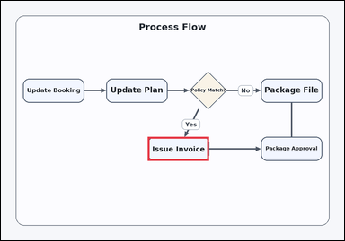 | task_diagrams_flow_next_step_label | branch_next_step | Work from the labeled steps and arrows: a flowchart with labeled process boxes and arrows. Use the diagram structure to answer: Following the Yes branch from Policy Match?, what is the next step? Return the exact step label shown. Answer using the exact visible step label. Return a valid JSON object with keys "evidence" and "answer" in that order. Evidence rule: set "evidence" to an array containing exactly one bounding box [x1, y1, x2, y2] for the correct next-step box. Answer rule: set "answer" to the exact visible next-step label. Example JSON: {"evidence":[[624,228,838,312]],"answer":"Fix Record"} | Work from the labeled steps and arrows: a flowchart with labeled process boxes and arrows. Use the diagram structure to answer: Following the Yes branch from Policy Match?, what is the next step? Return the exact step label shown. Answer using the exact visible step label. Return a valid JSON object with key "answer". Answer requirement: set "answer" to the exact visible next-step label. Example JSON: {"answer":"Fix Record"} | {"evidence": [[513.8, 477.2, 727.8, 561.2]], "answer": "Issue Invoice"} | [[513.8, 477.2, 727.8, 561.2]] | string | bbox_set | 5.5138641336E+15 | diagrams/task_diagrams_flow_next_step_label/images/branch_next_step/0020.png | diagrams/task_diagrams_flow_next_step_label/data/branch_next_step/0020.json
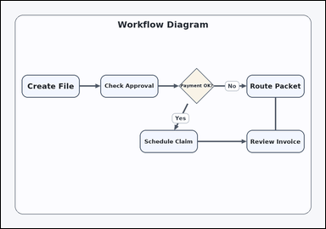 |  | task_diagrams_flow_next_step_label | branch_next_step | You are given a flowchart with labeled process boxes and arrows. Following the No branch from Payment OK?, what is the next step? Return the exact step label shown. Answer with the exact step label shown. Return a valid JSON object with keys "evidence" and "answer" in that order. Evidence format: set "evidence" to an array containing exactly one bounding box [x1, y1, x2, y2] for the correct next-step box. Answer requirement: set "answer" to the exact visible next-step label. Example JSON: {"evidence":[[624,228,838,312]],"answer":"Fix Record"} | You are given a flowchart with labeled process boxes and arrows. Following the No branch from Payment OK?, what is the next step? Return the exact step label shown. Answer with the exact step label shown. Return a valid JSON object with key "answer". Answer requirement: set "answer" to the exact visible next-step label. Example JSON: {"answer":"Fix Record"} | {"evidence": [[909.0, 272.52, 1123.0, 356.52]], "answer": "Route Packet"} | [[909.0, 272.52, 1123.0, 356.52]] | string | bbox_set | 5.7760988085E+15 | diagrams/task_diagrams_flow_next_step_label/images/branch_next_step/0008.png | diagrams/task_diagrams_flow_next_step_label/data/branch_next_step/0008.json
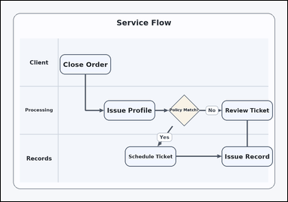 | 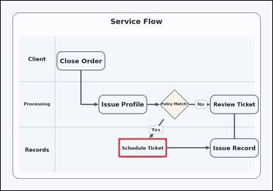 | task_diagrams_flow_next_step_label | branch_next_step | Look at the process diagram in the image: a swimlane process diagram with labeled steps and arrows. Follow the arrows and answer this question: Following the Yes branch from Policy Match?, what is the next step? Return the exact step label shown. Give the full next-step label exactly as shown. Return a valid JSON object with keys "evidence" and "answer" in that order. Evidence format: set "evidence" to an array containing exactly one bounding box [x1, y1, x2, y2] for the correct next-step box. Answer requirement: set "answer" to the exact visible next-step label. Example JSON: {"evidence":[[624,228,838,312]],"answer":"Fix Record"} | Look at the process diagram in the image: a swimlane process diagram with labeled steps and arrows. Follow the arrows and answer this question: Following the Yes branch from Policy Match?, what is the next step? Return the exact step label shown. Give the full next-step label exactly as shown. Return a valid JSON object with key "answer". Answer field: set "answer" to the exact visible next-step label. Example JSON: {"answer":"Fix Record"} | {"evidence": [[520.2, 609.64, 734.2, 693.64]], "answer": "Schedule Ticket"} | [[520.2, 609.64, 734.2, 693.64]] | string | bbox_set | 5.8063312777E+15 | diagrams/task_diagrams_flow_next_step_label/images/branch_next_step/0016.png | diagrams/task_diagrams_flow_next_step_label/data/branch_next_step/0016.json
 | 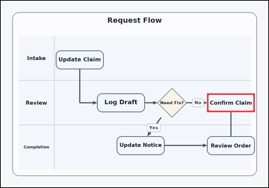 | task_diagrams_flow_next_step_label | branch_next_step | Look at the process diagram in the image: a swimlane process diagram with labeled steps and arrows. Use the diagram structure to answer: Following the No branch from Need Fix?, what is the next step? Return the exact step label shown. Respond with the exact step label from the diagram. Return a valid JSON object with keys "evidence" and "answer" in that order. Evidence format: set "evidence" to an array containing exactly one bounding box [x1, y1, x2, y2] for the correct next-step box. Answer requirement: set "answer" to the exact visible next-step label. Example JSON: {"evidence":[[624,228,838,312]],"answer":"Fix Record"} | Look at the process diagram in the image: a swimlane process diagram with labeled steps and arrows. Use the diagram structure to answer: Following the No branch from Need Fix?, what is the next step? Return the exact step label shown. Respond with the exact step label from the diagram. Return a valid JSON object with key "answer". Answer rule: set "answer" to the exact visible next-step label. Example JSON: {"answer":"Fix Record"} | {"evidence": [[925.0, 417.0, 1139.0, 501.0]], "answer": "Confirm Claim"} | [[925.0, 417.0, 1139.0, 501.0]] | string | bbox_set | 5.8217002084E+15 | diagrams/task_diagrams_flow_next_step_label/images/branch_next_step/0021.png | diagrams/task_diagrams_flow_next_step_label/data/branch_next_step/0021.json
 | 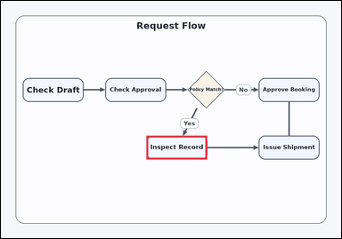 | task_diagrams_flow_next_step_label | branch_next_step | Use the process diagram in the image: a flowchart with labeled process boxes and arrows. Use the diagram structure to answer: Following the Yes branch from Policy Match?, what is the next step? Return the exact step label shown. Respond with the exact step label from the diagram. Return a valid JSON object with keys "evidence" and "answer" in that order. Evidence rule: set "evidence" to an array containing exactly one bounding box [x1, y1, x2, y2] for the correct next-step box. Answer rule: set "answer" to the exact visible next-step label. Example JSON: {"evidence":[[624,228,838,312]],"answer":"Fix Record"} | Use the process diagram in the image: a flowchart with labeled process boxes and arrows. Use the diagram structure to answer: Following the Yes branch from Policy Match?, what is the next step? Return the exact step label shown. Respond with the exact step label from the diagram. Return a valid JSON object with key "answer". Answer requirement: set "answer" to the exact visible next-step label. Example JSON: {"answer":"Fix Record"} | {"evidence": [[513.8, 477.2, 727.8, 561.2]], "answer": "Inspect Record"} | [[513.8, 477.2, 727.8, 561.2]] | string | bbox_set | 6.1231062702E+15 | diagrams/task_diagrams_flow_next_step_label/images/branch_next_step/0024.png | diagrams/task_diagrams_flow_next_step_label/data/branch_next_step/0024.json
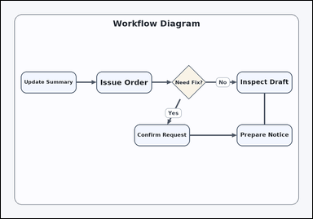 |  | task_diagrams_flow_next_step_label | branch_next_step | You are given a flowchart with labeled process boxes and arrows. Following the No branch from Need Fix?, what is the next step? Return the exact step label shown. Return the exact visible next-step label. Return a valid JSON object with keys "evidence" and "answer" in that order. Evidence format: set "evidence" to an array containing exactly one bounding box [x1, y1, x2, y2] for the correct next-step box. Answer requirement: set "answer" to the exact visible next-step label. Example JSON: {"evidence":[[624,228,838,312]],"answer":"Fix Record"} | You are given a flowchart with labeled process boxes and arrows. Following the No branch from Need Fix?, what is the next step? Return the exact step label shown. Return the exact visible next-step label. Return a valid JSON object with key "answer". Answer: set "answer" to the exact visible next-step label. Example JSON: {"answer":"Fix Record"} | {"evidence": [[909.0, 272.52, 1123.0, 356.52]], "answer": "Inspect Draft"} | [[909.0, 272.52, 1123.0, 356.52]] | string | bbox_set | 6.9330324568E+15 | diagrams/task_diagrams_flow_next_step_label/images/branch_next_step/0011.png | diagrams/task_diagrams_flow_next_step_label/data/branch_next_step/0011.json
 |  | task_diagrams_flow_next_step_label | branch_next_step | Look at the process diagram in the image: a flowchart with labeled process boxes and arrows. Use the diagram structure to answer: Following the No branch from Payment OK?, what is the next step? Return the exact step label shown. Answer using the exact visible step label. Return a valid JSON object with keys "evidence" and "answer" in that order. Evidence requirement: set "evidence" to an array containing exactly one bounding box [x1, y1, x2, y2] for the correct next-step box. Answer format: set "answer" to the exact visible next-step label. Example JSON: {"evidence":[[624,228,838,312]],"answer":"Fix Record"} | Look at the process diagram in the image: a flowchart with labeled process boxes and arrows. Use the diagram structure to answer: Following the No branch from Payment OK?, what is the next step? Return the exact step label shown. Answer using the exact visible step label. Return a valid JSON object with key "answer". Answer field: set "answer" to the exact visible next-step label. Example JSON: {"answer":"Fix Record"} | {"evidence": [[909.0, 272.52, 1123.0, 356.52]], "answer": "Schedule Request"} | [[909.0, 272.52, 1123.0, 356.52]] | string | bbox_set | 7.7564348972E+15 | diagrams/task_diagrams_flow_next_step_label/images/branch_next_step/0014.png | diagrams/task_diagrams_flow_next_step_label/data/branch_next_step/0014.json
 | 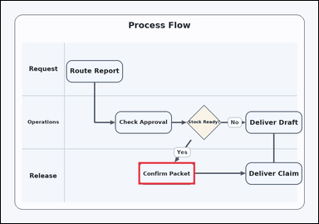 | task_diagrams_flow_next_step_label | branch_next_step | Look at the process diagram in the image: a swimlane process diagram with labeled steps and arrows. Determine the correct next step from the diagram: Following the Yes branch from Stock Ready?, what is the next step? Return the exact step label shown. Answer using the exact visible step label. Return a valid JSON object with keys "evidence" and "answer" in that order. Evidence requirement: set "evidence" to an array containing exactly one bounding box [x1, y1, x2, y2] for the correct next-step box. Answer format: set "answer" to the exact visible next-step label. Example JSON: {"evidence":[[624,228,838,312]],"answer":"Fix Record"} | Look at the process diagram in the image: a swimlane process diagram with labeled steps and arrows. Determine the correct next step from the diagram: Following the Yes branch from Stock Ready?, what is the next step? Return the exact step label shown. Answer using the exact visible step label. Return a valid JSON object with key "answer". Answer rule: set "answer" to the exact visible next-step label. Example JSON: {"answer":"Fix Record"} | {"evidence": [[520.2, 609.64, 734.2, 693.64]], "answer": "Confirm Packet"} | [[520.2, 609.64, 734.2, 693.64]] | string | bbox_set | 7.9380943204E+15 | diagrams/task_diagrams_flow_next_step_label/images/branch_next_step/0003.png | diagrams/task_diagrams_flow_next_step_label/data/branch_next_step/0003.json
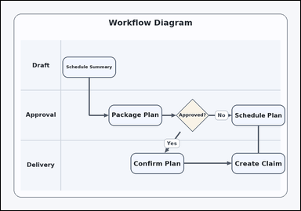 |  | task_diagrams_flow_next_step_label | branch_next_step | Use the process diagram in the image: a swimlane process diagram with labeled steps and arrows. Following the No branch from Approved?, what is the next step? Return the exact step label shown. Respond with the exact step label from the diagram. Return a valid JSON object with keys "evidence" and "answer" in that order. Evidence requirement: set "evidence" to an array containing exactly one bounding box [x1, y1, x2, y2] for the correct next-step box. Answer format: set "answer" to the exact visible next-step label. Example JSON: {"evidence":[[624,228,838,312]],"answer":"Fix Record"} | Use the process diagram in the image: a swimlane process diagram with labeled steps and arrows. Following the No branch from Approved?, what is the next step? Return the exact step label shown. Respond with the exact step label from the diagram. Return a valid JSON object with key "answer". Answer requirement: set "answer" to the exact visible next-step label. Example JSON: {"answer":"Fix Record"} | {"evidence": [[925.0, 417.0, 1139.0, 501.0]], "answer": "Schedule Plan"} | [[925.0, 417.0, 1139.0, 501.0]] | string | bbox_set | 8.191988715E+15 | diagrams/task_diagrams_flow_next_step_label/images/branch_next_step/0005.png | diagrams/task_diagrams_flow_next_step_label/data/branch_next_step/0005.json

direct_next_step
image | evidence_image | task | task_variant | prompt | prompt_answer_only | answer | answer_evidence | answer_type | evidence_type | instance_seed | image_path | data_path
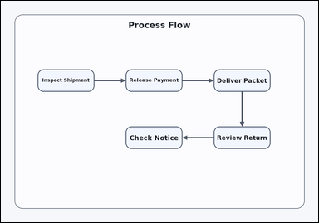 | 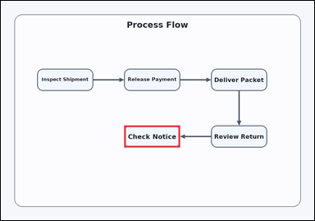 | task_diagrams_flow_next_step_label | direct_next_step | Work from the labeled steps and arrows: a flowchart with labeled process boxes and arrows. What is the next step after Review Return? Return the exact step label shown. Answer with the exact step label shown. Return a valid JSON object with keys "evidence" and "answer" in that order. Evidence: set "evidence" to an array containing exactly one bounding box [x1, y1, x2, y2] for the correct next-step box. Answer: set "answer" to the exact visible next-step label. Example JSON: {"evidence":[[624,228,838,312]],"answer":"Approve Order"} | Work from the labeled steps and arrows: a flowchart with labeled process boxes and arrows. What is the next step after Review Return? Return the exact step label shown. Answer with the exact step label shown. Return a valid JSON object with key "answer". Answer: set "answer" to the exact visible next-step label. Example JSON: {"answer":"Approve Order"} | {"evidence": [[472.2, 477.2, 686.2, 561.2]], "answer": "Check Notice"} | [[472.2, 477.2, 686.2, 561.2]] | string | bbox_set | 331938677860360 | diagrams/task_diagrams_flow_next_step_label/images/direct_next_step/0021.png | diagrams/task_diagrams_flow_next_step_label/data/direct_next_step/0021.json
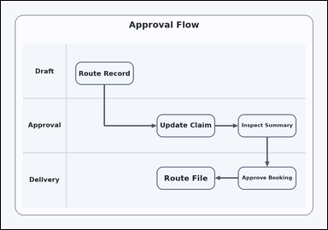 | 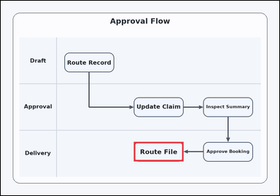 | task_diagrams_flow_next_step_label | direct_next_step | The image shows a swimlane process diagram with labeled steps and arrows. Follow the arrows and answer this question: What is the next step after Approve Booking? Return the exact step label shown. Answer using the exact visible step label. Return a valid JSON object with keys "evidence" and "answer" in that order. Evidence rule: set "evidence" to an array containing exactly one bounding box [x1, y1, x2, y2] for the correct next-step box. Answer rule: set "answer" to the exact visible next-step label. Example JSON: {"evidence":[[624,228,838,312]],"answer":"Approve Order"} | The image shows a swimlane process diagram with labeled steps and arrows. Follow the arrows and answer this question: What is the next step after Approve Booking? Return the exact step label shown. Answer using the exact visible step label. Return a valid JSON object with key "answer". Answer rule: set "answer" to the exact visible next-step label. Example JSON: {"answer":"Approve Order"} | {"evidence": [[573.0, 609.64, 787.0, 693.64]], "answer": "Route File"} | [[573.0, 609.64, 787.0, 693.64]] | string | bbox_set | 904665042632663 | diagrams/task_diagrams_flow_next_step_label/images/direct_next_step/0019.png | diagrams/task_diagrams_flow_next_step_label/data/direct_next_step/0019.json
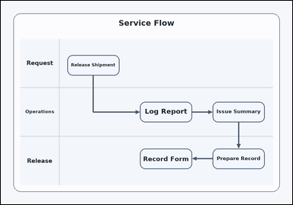 | 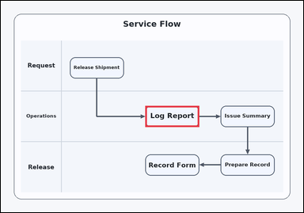 | task_diagrams_flow_next_step_label | direct_next_step | Look at the process diagram in the image: a swimlane process diagram with labeled steps and arrows. Read the labeled process steps and then answer: What is the next step after Release Shipment? Return the exact step label shown. Answer with the exact step label shown. Return a valid JSON object with keys "evidence" and "answer" in that order. Evidence rule: set "evidence" to an array containing exactly one bounding box [x1, y1, x2, y2] for the correct next-step box. Answer rule: set "answer" to the exact visible next-step label. Example JSON: {"evidence":[[624,228,838,312]],"answer":"Approve Order"} | Look at the process diagram in the image: a swimlane process diagram with labeled steps and arrows. Read the labeled process steps and then answer: What is the next step after Release Shipment? Return the exact step label shown. Answer with the exact step label shown. Return a valid JSON object with key "answer". Answer rule: set "answer" to the exact visible next-step label. Example JSON: {"answer":"Approve Order"} | {"evidence": [[573.0, 417.0, 787.0, 501.0]], "answer": "Log Report"} | [[573.0, 417.0, 787.0, 501.0]] | string | bbox_set | 1.1243181462E+15 | diagrams/task_diagrams_flow_next_step_label/images/direct_next_step/0003.png | diagrams/task_diagrams_flow_next_step_label/data/direct_next_step/0003.json
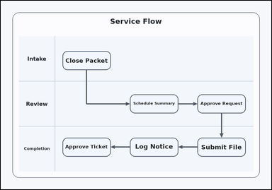 | 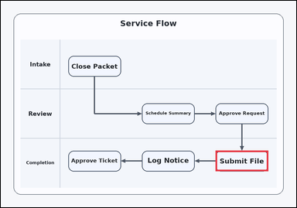 | task_diagrams_flow_next_step_label | direct_next_step | Look at the process diagram in the image: a swimlane process diagram with labeled steps and arrows. Follow the arrows and answer this question: What is the next step after Approve Request? Return the exact step label shown. Answer using the exact visible step label. Return a valid JSON object with keys "evidence" and "answer" in that order. Evidence field: set "evidence" to an array containing exactly one bounding box [x1, y1, x2, y2] for the correct next-step box. Answer field: set "answer" to the exact visible next-step label. Example JSON: {"evidence":[[624,228,838,312]],"answer":"Approve Order"} | Look at the process diagram in the image: a swimlane process diagram with labeled steps and arrows. Follow the arrows and answer this question: What is the next step after Approve Request? Return the exact step label shown. Answer using the exact visible step label. Return a valid JSON object with key "answer". Answer requirement: set "answer" to the exact visible next-step label. Example JSON: {"answer":"Approve Order"} | {"evidence": [[872.2, 609.64, 1086.2, 693.64]], "answer": "Submit File"} | [[872.2, 609.64, 1086.2, 693.64]] | string | bbox_set | 1.8342525455E+15 | diagrams/task_diagrams_flow_next_step_label/images/direct_next_step/0018.png | diagrams/task_diagrams_flow_next_step_label/data/direct_next_step/0018.json
 | 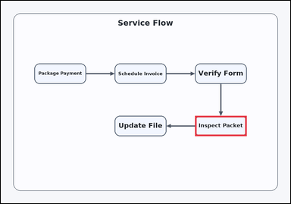 | task_diagrams_flow_next_step_label | direct_next_step | You are given a flowchart with labeled process boxes and arrows. Use the diagram structure to answer: What is the next step after Verify Form? Return the exact step label shown. Answer using the exact visible step label. Return a valid JSON object with keys "evidence" and "answer" in that order. Evidence format: set "evidence" to an array containing exactly one bounding box [x1, y1, x2, y2] for the correct next-step box. Answer requirement: set "answer" to the exact visible next-step label. Example JSON: {"evidence":[[624,228,838,312]],"answer":"Approve Order"} | You are given a flowchart with labeled process boxes and arrows. Use the diagram structure to answer: What is the next step after Verify Form? Return the exact step label shown. Answer using the exact visible step label. Return a valid JSON object with key "answer". Answer format: set "answer" to the exact visible next-step label. Example JSON: {"answer":"Approve Order"} | {"evidence": [[805.0, 477.2, 1019.0, 561.2]], "answer": "Inspect Packet"} | [[805.0, 477.2, 1019.0, 561.2]] | string | bbox_set | 1.936066037E+15 | diagrams/task_diagrams_flow_next_step_label/images/direct_next_step/0000.png | diagrams/task_diagrams_flow_next_step_label/data/direct_next_step/0000.json
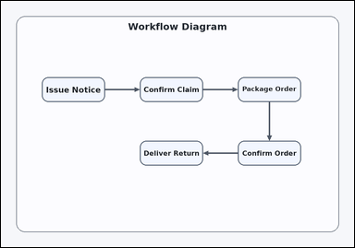 | 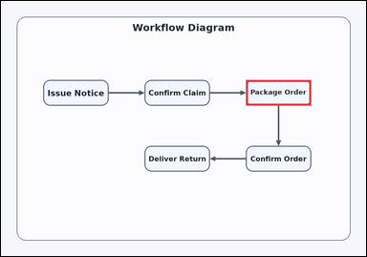 | task_diagrams_flow_next_step_label | direct_next_step | Use the process diagram in the image: a flowchart with labeled process boxes and arrows. What is the next step after Confirm Claim? Return the exact step label shown. Give the full next-step label exactly as shown. Return a valid JSON object with keys "evidence" and "answer" in that order. Evidence: set "evidence" to an array containing exactly one bounding box [x1, y1, x2, y2] for the correct next-step box. Answer: set "answer" to the exact visible next-step label. Example JSON: {"evidence":[[624,228,838,312]],"answer":"Approve Order"} | Use the process diagram in the image: a flowchart with labeled process boxes and arrows. What is the next step after Confirm Claim? Return the exact step label shown. Give the full next-step label exactly as shown. Return a valid JSON object with key "answer". Answer format: set "answer" to the exact visible next-step label. Example JSON: {"answer":"Approve Order"} | {"evidence": [[805.0, 260.48, 1019.0, 344.48]], "answer": "Package Order"} | [[805.0, 260.48, 1019.0, 344.48]] | string | bbox_set | 2.7303416605E+15 | diagrams/task_diagrams_flow_next_step_label/images/direct_next_step/0008.png | diagrams/task_diagrams_flow_next_step_label/data/direct_next_step/0008.json
 |  | task_diagrams_flow_next_step_label | direct_next_step | Look at the process diagram in the image: a swimlane process diagram with labeled steps and arrows. Read the labeled process steps and then answer: What is the next step after Issue Payment? Return the exact step label shown. Answer using the exact visible step label. Return a valid JSON object with keys "evidence" and "answer" in that order. Evidence requirement: set "evidence" to an array containing exactly one bounding box [x1, y1, x2, y2] for the correct next-step box. Answer format: set "answer" to the exact visible next-step label. Example JSON: {"evidence":[[624,228,838,312]],"answer":"Approve Order"} | Look at the process diagram in the image: a swimlane process diagram with labeled steps and arrows. Read the labeled process steps and then answer: What is the next step after Issue Payment? Return the exact step label shown. Answer using the exact visible step label. Return a valid JSON object with key "answer". Answer: set "answer" to the exact visible next-step label. Example JSON: {"answer":"Approve Order"} | {"evidence": [[872.2, 609.64, 1086.2, 693.64]], "answer": "Submit Notice"} | [[872.2, 609.64, 1086.2, 693.64]] | string | bbox_set | 2.7621133373E+15 | diagrams/task_diagrams_flow_next_step_label/images/direct_next_step/0017.png | diagrams/task_diagrams_flow_next_step_label/data/direct_next_step/0017.json
 |  | task_diagrams_flow_next_step_label | direct_next_step | Work from the labeled steps and arrows: a flowchart with labeled process boxes and arrows. What is the next step after Close Record? Return the exact step label shown. Respond with the exact step label from the diagram. Return a valid JSON object with keys "evidence" and "answer" in that order. Evidence rule: set "evidence" to an array containing exactly one bounding box [x1, y1, x2, y2] for the correct next-step box. Answer rule: set "answer" to the exact visible next-step label. Example JSON: {"evidence":[[624,228,838,312]],"answer":"Approve Order"} | Work from the labeled steps and arrows: a flowchart with labeled process boxes and arrows. What is the next step after Close Record? Return the exact step label shown. Respond with the exact step label from the diagram. Return a valid JSON object with key "answer". Answer: set "answer" to the exact visible next-step label. Example JSON: {"answer":"Approve Order"} | {"evidence": [[472.2, 477.2, 686.2, 561.2]], "answer": "Release Return"} | [[472.2, 477.2, 686.2, 561.2]] | string | bbox_set | 2.9134841025E+15 | diagrams/task_diagrams_flow_next_step_label/images/direct_next_step/0024.png | diagrams/task_diagrams_flow_next_step_label/data/direct_next_step/0024.json
 |  | task_diagrams_flow_next_step_label | direct_next_step | Use the process diagram in the image: a swimlane process diagram with labeled steps and arrows. Follow the arrows and answer this question: What is the next step after Check Request? Return the exact step label shown. Answer with the exact step label shown. Return a valid JSON object with keys "evidence" and "answer" in that order. Evidence rule: set "evidence" to an array containing exactly one bounding box [x1, y1, x2, y2] for the correct next-step box. Answer rule: set "answer" to the exact visible next-step label. Example JSON: {"evidence":[[624,228,838,312]],"answer":"Approve Order"} | Use the process diagram in the image: a swimlane process diagram with labeled steps and arrows. Follow the arrows and answer this question: What is the next step after Check Request? Return the exact step label shown. Answer with the exact step label shown. Return a valid JSON object with key "answer". Answer format: set "answer" to the exact visible next-step label. Example JSON: {"answer":"Approve Order"} | {"evidence": [[573.0, 609.64, 787.0, 693.64]], "answer": "Route Notice"} | [[573.0, 609.64, 787.0, 693.64]] | string | bbox_set | 3.0294059968E+15 | diagrams/task_diagrams_flow_next_step_label/images/direct_next_step/0010.png | diagrams/task_diagrams_flow_next_step_label/data/direct_next_step/0010.json
 |  | task_diagrams_flow_next_step_label | direct_next_step | Use the process diagram in the image: a flowchart with labeled process boxes and arrows. Use the diagram structure to answer: What is the next step after Inspect Packet? Return the exact step label shown. Give the full next-step label exactly as shown. Return a valid JSON object with keys "evidence" and "answer" in that order. Evidence rule: set "evidence" to an array containing exactly one bounding box [x1, y1, x2, y2] for the correct next-step box. Answer rule: set "answer" to the exact visible next-step label. Example JSON: {"evidence":[[624,228,838,312]],"answer":"Approve Order"} | Use the process diagram in the image: a flowchart with labeled process boxes and arrows. Use the diagram structure to answer: What is the next step after Inspect Packet? Return the exact step label shown. Give the full next-step label exactly as shown. Return a valid JSON object with key "answer". Answer format: set "answer" to the exact visible next-step label. Example JSON: {"answer":"Approve Order"} | {"evidence": [[472.2, 260.48, 686.2, 344.48]], "answer": "Prepare Booking"} | [[472.2, 260.48, 686.2, 344.48]] | string | bbox_set | 3.2667110014E+15 | diagrams/task_diagrams_flow_next_step_label/images/direct_next_step/0023.png | diagrams/task_diagrams_flow_next_step_label/data/direct_next_step/0023.json
 |  | task_diagrams_flow_next_step_label | direct_next_step | Work from the labeled steps and arrows: a flowchart with labeled process boxes and arrows. Determine the correct next step from the diagram: What is the next step after Review Shipment? Return the exact step label shown. Give the full next-step label exactly as shown. Return a valid JSON object with keys "evidence" and "answer" in that order. Evidence format: set "evidence" to an array containing exactly one bounding box [x1, y1, x2, y2] for the correct next-step box. Answer requirement: set "answer" to the exact visible next-step label. Example JSON: {"evidence":[[624,228,838,312]],"answer":"Approve Order"} | Work from the labeled steps and arrows: a flowchart with labeled process boxes and arrows. Determine the correct next step from the diagram: What is the next step after Review Shipment? Return the exact step label shown. Give the full next-step label exactly as shown. Return a valid JSON object with key "answer". Answer format: set "answer" to the exact visible next-step label. Example JSON: {"answer":"Approve Order"} | {"evidence": [[805.0, 260.48, 1019.0, 344.48]], "answer": "Create Ticket"} | [[805.0, 260.48, 1019.0, 344.48]] | string | bbox_set | 3.297073848E+15 | diagrams/task_diagrams_flow_next_step_label/images/direct_next_step/0002.png | diagrams/task_diagrams_flow_next_step_label/data/direct_next_step/0002.json
 |  | task_diagrams_flow_next_step_label | direct_next_step | Look at the process diagram in the image: a flowchart with labeled process boxes and arrows. Use the diagram structure to answer: What is the next step after Log Order? Return the exact step label shown. Answer with the exact step label shown. Return a valid JSON object with keys "evidence" and "answer" in that order. Evidence requirement: set "evidence" to an array containing exactly one bounding box [x1, y1, x2, y2] for the correct next-step box. Answer format: set "answer" to the exact visible next-step label. Example JSON: {"evidence":[[624,228,838,312]],"answer":"Approve Order"} | Look at the process diagram in the image: a flowchart with labeled process boxes and arrows. Use the diagram structure to answer: What is the next step after Log Order? Return the exact step label shown. Answer with the exact step label shown. Return a valid JSON object with key "answer". Answer requirement: set "answer" to the exact visible next-step label. Example JSON: {"answer":"Approve Order"} | {"evidence": [[805.0, 477.2, 1019.0, 561.2]], "answer": "Archive Return"} | [[805.0, 477.2, 1019.0, 561.2]] | string | bbox_set | 3.613018401E+15 | diagrams/task_diagrams_flow_next_step_label/images/direct_next_step/0001.png | diagrams/task_diagrams_flow_next_step_label/data/direct_next_step/0001.json
 |  | task_diagrams_flow_next_step_label | direct_next_step | You are given a flowchart with labeled process boxes and arrows. What is the next step after Schedule Draft? Return the exact step label shown. Give the full next-step label exactly as shown. Return a valid JSON object with keys "evidence" and "answer" in that order. Evidence rule: set "evidence" to an array containing exactly one bounding box [x1, y1, x2, y2] for the correct next-step box. Answer rule: set "answer" to the exact visible next-step label. Example JSON: {"evidence":[[624,228,838,312]],"answer":"Approve Order"} | You are given a flowchart with labeled process boxes and arrows. What is the next step after Schedule Draft? Return the exact step label shown. Give the full next-step label exactly as shown. Return a valid JSON object with key "answer". Answer format: set "answer" to the exact visible next-step label. Example JSON: {"answer":"Approve Order"} | {"evidence": [[805.0, 477.2, 1019.0, 561.2]], "answer": "Check Request"} | [[805.0, 477.2, 1019.0, 561.2]] | string | bbox_set | 3.9481967122E+15 | diagrams/task_diagrams_flow_next_step_label/images/direct_next_step/0014.png | diagrams/task_diagrams_flow_next_step_label/data/direct_next_step/0014.json
 |  | task_diagrams_flow_next_step_label | direct_next_step | The image shows a swimlane process diagram with labeled steps and arrows. Determine the correct next step from the diagram: What is the next step after Record Ticket? Return the exact step label shown. Respond with the exact step label from the diagram. Return a valid JSON object with keys "evidence" and "answer" in that order. Evidence format: set "evidence" to an array containing exactly one bounding box [x1, y1, x2, y2] for the correct next-step box. Answer requirement: set "answer" to the exact visible next-step label. Example JSON: {"evidence":[[624,228,838,312]],"answer":"Approve Order"} | The image shows a swimlane process diagram with labeled steps and arrows. Determine the correct next step from the diagram: What is the next step after Record Ticket? Return the exact step label shown. Respond with the exact step label from the diagram. Return a valid JSON object with key "answer". Answer: set "answer" to the exact visible next-step label. Example JSON: {"answer":"Approve Order"} | {"evidence": [[872.2, 609.64, 1086.2, 693.64]], "answer": "Verify File"} | [[872.2, 609.64, 1086.2, 693.64]] | string | bbox_set | 4.1429282703E+15 | diagrams/task_diagrams_flow_next_step_label/images/direct_next_step/0022.png | diagrams/task_diagrams_flow_next_step_label/data/direct_next_step/0022.json
 |  | task_diagrams_flow_next_step_label | direct_next_step | You are given a swimlane process diagram with labeled steps and arrows. Follow the arrows and answer this question: What is the next step after Package Invoice? Return the exact step label shown. Answer with the exact step label shown. Return a valid JSON object with keys "evidence" and "answer" in that order. Evidence rule: set "evidence" to an array containing exactly one bounding box [x1, y1, x2, y2] for the correct next-step box. Answer rule: set "answer" to the exact visible next-step label. Example JSON: {"evidence":[[624,228,838,312]],"answer":"Approve Order"} | You are given a swimlane process diagram with labeled steps and arrows. Follow the arrows and answer this question: What is the next step after Package Invoice? Return the exact step label shown. Answer with the exact step label shown. Return a valid JSON object with key "answer". Answer field: set "answer" to the exact visible next-step label. Example JSON: {"answer":"Approve Order"} | {"evidence": [[872.2, 609.64, 1086.2, 693.64]], "answer": "Close Form"} | [[872.2, 609.64, 1086.2, 693.64]] | string | bbox_set | 5.7780096371E+15 | diagrams/task_diagrams_flow_next_step_label/images/direct_next_step/0011.png | diagrams/task_diagrams_flow_next_step_label/data/direct_next_step/0011.json
 |  | task_diagrams_flow_next_step_label | direct_next_step | Work from the labeled steps and arrows: a swimlane process diagram with labeled steps and arrows. Use the diagram structure to answer: What is the next step after Approve Ticket? Return the exact step label shown. Answer using the exact visible step label. Return a valid JSON object with keys "evidence" and "answer" in that order. Evidence requirement: set "evidence" to an array containing exactly one bounding box [x1, y1, x2, y2] for the correct next-step box. Answer format: set "answer" to the exact visible next-step label. Example JSON: {"evidence":[[624,228,838,312]],"answer":"Approve Order"} | Work from the labeled steps and arrows: a swimlane process diagram with labeled steps and arrows. Use the diagram structure to answer: What is the next step after Approve Ticket? Return the exact step label shown. Answer using the exact visible step label. Return a valid JSON object with key "answer". Answer rule: set "answer" to the exact visible next-step label. Example JSON: {"answer":"Approve Order"} | {"evidence": [[573.0, 417.0, 787.0, 501.0]], "answer": "Approve Request"} | [[573.0, 417.0, 787.0, 501.0]] | string | bbox_set | 5.9190930389E+15 | diagrams/task_diagrams_flow_next_step_label/images/direct_next_step/0013.png | diagrams/task_diagrams_flow_next_step_label/data/direct_next_step/0013.json
 |  | task_diagrams_flow_next_step_label | direct_next_step | The image shows a flowchart with labeled process boxes and arrows. Follow the arrows and answer this question: What is the next step after Archive Draft? Return the exact step label shown. Respond with the exact step label from the diagram. Return a valid JSON object with keys "evidence" and "answer" in that order. Evidence: set "evidence" to an array containing exactly one bounding box [x1, y1, x2, y2] for the correct next-step box. Answer: set "answer" to the exact visible next-step label. Example JSON: {"evidence":[[624,228,838,312]],"answer":"Approve Order"} | The image shows a flowchart with labeled process boxes and arrows. Follow the arrows and answer this question: What is the next step after Archive Draft? Return the exact step label shown. Respond with the exact step label from the diagram. Return a valid JSON object with key "answer". Answer format: set "answer" to the exact visible next-step label. Example JSON: {"answer":"Approve Order"} | {"evidence": [[472.2, 477.2, 686.2, 561.2]], "answer": "Release Form"} | [[472.2, 477.2, 686.2, 561.2]] | string | bbox_set | 5.9616087829E+15 | diagrams/task_diagrams_flow_next_step_label/images/direct_next_step/0006.png | diagrams/task_diagrams_flow_next_step_label/data/direct_next_step/0006.json
 |  | task_diagrams_flow_next_step_label | direct_next_step | You are given a swimlane process diagram with labeled steps and arrows. Follow the arrows and answer this question: What is the next step after Schedule Plan? Return the exact step label shown. Give the full next-step label exactly as shown. Return a valid JSON object with keys "evidence" and "answer" in that order. Evidence: set "evidence" to an array containing exactly one bounding box [x1, y1, x2, y2] for the correct next-step box. Answer: set "answer" to the exact visible next-step label. Example JSON: {"evidence":[[624,228,838,312]],"answer":"Approve Order"} | You are given a swimlane process diagram with labeled steps and arrows. Follow the arrows and answer this question: What is the next step after Schedule Plan? Return the exact step label shown. Give the full next-step label exactly as shown. Return a valid JSON object with key "answer". Answer: set "answer" to the exact visible next-step label. Example JSON: {"answer":"Approve Order"} | {"evidence": [[573.0, 609.64, 787.0, 693.64]], "answer": "Update Approval"} | [[573.0, 609.64, 787.0, 693.64]] | string | bbox_set | 7.5178705885E+15 | diagrams/task_diagrams_flow_next_step_label/images/direct_next_step/0005.png | diagrams/task_diagrams_flow_next_step_label/data/direct_next_step/0005.json
 |  | task_diagrams_flow_next_step_label | direct_next_step | You are given a swimlane process diagram with labeled steps and arrows. Read the labeled process steps and then answer: What is the next step after Check Approval? Return the exact step label shown. Give the full next-step label exactly as shown. Return a valid JSON object with keys "evidence" and "answer" in that order. Evidence field: set "evidence" to an array containing exactly one bounding box [x1, y1, x2, y2] for the correct next-step box. Answer field: set "answer" to the exact visible next-step label. Example JSON: {"evidence":[[624,228,838,312]],"answer":"Approve Order"} | You are given a swimlane process diagram with labeled steps and arrows. Read the labeled process steps and then answer: What is the next step after Check Approval? Return the exact step label shown. Give the full next-step label exactly as shown. Return a valid JSON object with key "answer". Answer requirement: set "answer" to the exact visible next-step label. Example JSON: {"answer":"Approve Order"} | {"evidence": [[573.0, 609.64, 787.0, 693.64]], "answer": "Archive Request"} | [[573.0, 609.64, 787.0, 693.64]] | string | bbox_set | 7.8085323336E+15 | diagrams/task_diagrams_flow_next_step_label/images/direct_next_step/0004.png | diagrams/task_diagrams_flow_next_step_label/data/direct_next_step/0004.json
 |  | task_diagrams_flow_next_step_label | direct_next_step | Look at the process diagram in the image: a swimlane process diagram with labeled steps and arrows. Follow the arrows and answer this question: What is the next step after Deliver Form? Return the exact step label shown. Answer with the exact step label shown. Return a valid JSON object with keys "evidence" and "answer" in that order. Evidence format: set "evidence" to an array containing exactly one bounding box [x1, y1, x2, y2] for the correct next-step box. Answer requirement: set "answer" to the exact visible next-step label. Example JSON: {"evidence":[[624,228,838,312]],"answer":"Approve Order"} | Look at the process diagram in the image: a swimlane process diagram with labeled steps and arrows. Follow the arrows and answer this question: What is the next step after Deliver Form? Return the exact step label shown. Answer with the exact step label shown. Return a valid JSON object with key "answer". Answer rule: set "answer" to the exact visible next-step label. Example JSON: {"answer":"Approve Order"} | {"evidence": [[872.2, 417.0, 1086.2, 501.0]], "answer": "Create Plan"} | [[872.2, 417.0, 1086.2, 501.0]] | string | bbox_set | 8.0642061472E+15 | diagrams/task_diagrams_flow_next_step_label/images/direct_next_step/0007.png | diagrams/task_diagrams_flow_next_step_label/data/direct_next_step/0007.json
 |  | task_diagrams_flow_next_step_label | direct_next_step | Use the process diagram in the image: a swimlane process diagram with labeled steps and arrows. What is the next step after Route Claim? Return the exact step label shown. Return the exact visible next-step label. Return a valid JSON object with keys "evidence" and "answer" in that order. Evidence: set "evidence" to an array containing exactly one bounding box [x1, y1, x2, y2] for the correct next-step box. Answer: set "answer" to the exact visible next-step label. Example JSON: {"evidence":[[624,228,838,312]],"answer":"Approve Order"} | Use the process diagram in the image: a swimlane process diagram with labeled steps and arrows. What is the next step after Route Claim? Return the exact step label shown. Return the exact visible next-step label. Return a valid JSON object with key "answer". Answer rule: set "answer" to the exact visible next-step label. Example JSON: {"answer":"Approve Order"} | {"evidence": [[573.0, 417.0, 787.0, 501.0]], "answer": "Create Ticket"} | [[573.0, 417.0, 787.0, 501.0]] | string | bbox_set | 8.1087200968E+15 | diagrams/task_diagrams_flow_next_step_label/images/direct_next_step/0015.png | diagrams/task_diagrams_flow_next_step_label/data/direct_next_step/0015.json
 |  | task_diagrams_flow_next_step_label | direct_next_step | The image shows a flowchart with labeled process boxes and arrows. Use the diagram structure to answer: What is the next step after Close File? Return the exact step label shown. Respond with the exact step label from the diagram. Return a valid JSON object with keys "evidence" and "answer" in that order. Evidence format: set "evidence" to an array containing exactly one bounding box [x1, y1, x2, y2] for the correct next-step box. Answer requirement: set "answer" to the exact visible next-step label. Example JSON: {"evidence":[[624,228,838,312]],"answer":"Approve Order"} | The image shows a flowchart with labeled process boxes and arrows. Use the diagram structure to answer: What is the next step after Close File? Return the exact step label shown. Respond with the exact step label from the diagram. Return a valid JSON object with key "answer". Answer format: set "answer" to the exact visible next-step label. Example JSON: {"answer":"Approve Order"} | {"evidence": [[472.2, 260.48, 686.2, 344.48]], "answer": "Update Order"} | [[472.2, 260.48, 686.2, 344.48]] | string | bbox_set | 8.1854368774E+15 | diagrams/task_diagrams_flow_next_step_label/images/direct_next_step/0016.png | diagrams/task_diagrams_flow_next_step_label/data/direct_next_step/0016.json
 |  | task_diagrams_flow_next_step_label | direct_next_step | Work from the labeled steps and arrows: a swimlane process diagram with labeled steps and arrows. Determine the correct next step from the diagram: What is the next step after Deliver Booking? Return the exact step label shown. Answer using the exact visible step label. Return a valid JSON object with keys "evidence" and "answer" in that order. Evidence field: set "evidence" to an array containing exactly one bounding box [x1, y1, x2, y2] for the correct next-step box. Answer field: set "answer" to the exact visible next-step label. Example JSON: {"evidence":[[624,228,838,312]],"answer":"Approve Order"} | Work from the labeled steps and arrows: a swimlane process diagram with labeled steps and arrows. Determine the correct next step from the diagram: What is the next step after Deliver Booking? Return the exact step label shown. Answer using the exact visible step label. Return a valid JSON object with key "answer". Answer field: set "answer" to the exact visible next-step label. Example JSON: {"answer":"Approve Order"} | {"evidence": [[573.0, 609.64, 787.0, 693.64]], "answer": "Check Notice"} | [[573.0, 609.64, 787.0, 693.64]] | string | bbox_set | 8.3302104771E+15 | diagrams/task_diagrams_flow_next_step_label/images/direct_next_step/0012.png | diagrams/task_diagrams_flow_next_step_label/data/direct_next_step/0012.json
 |  | task_diagrams_flow_next_step_label | direct_next_step | Use the process diagram in the image: a swimlane process diagram with labeled steps and arrows. Determine the correct next step from the diagram: What is the next step after Prepare Profile? Return the exact step label shown. Answer using the exact visible step label. Return a valid JSON object with keys "evidence" and "answer" in that order. Evidence: set "evidence" to an array containing exactly one bounding box [x1, y1, x2, y2] for the correct next-step box. Answer: set "answer" to the exact visible next-step label. Example JSON: {"evidence":[[624,228,838,312]],"answer":"Approve Order"} | Use the process diagram in the image: a swimlane process diagram with labeled steps and arrows. Determine the correct next step from the diagram: What is the next step after Prepare Profile? Return the exact step label shown. Answer using the exact visible step label. Return a valid JSON object with key "answer". Answer field: set "answer" to the exact visible next-step label. Example JSON: {"answer":"Approve Order"} | {"evidence": [[573.0, 417.0, 787.0, 501.0]], "answer": "Confirm Report"} | [[573.0, 417.0, 787.0, 501.0]] | string | bbox_set | 8.5847643635E+15 | diagrams/task_diagrams_flow_next_step_label/images/direct_next_step/0020.png | diagrams/task_diagrams_flow_next_step_label/data/direct_next_step/0020.json
 |  | task_diagrams_flow_next_step_label | direct_next_step | Use the process diagram in the image: a swimlane process diagram with labeled steps and arrows. Read the labeled process steps and then answer: What is the next step after Record Form? Return the exact step label shown. Respond with the exact step label from the diagram. Return a valid JSON object with keys "evidence" and "answer" in that order. Evidence: set "evidence" to an array containing exactly one bounding box [x1, y1, x2, y2] for the correct next-step box. Answer: set "answer" to the exact visible next-step label. Example JSON: {"evidence":[[624,228,838,312]],"answer":"Approve Order"} | Use the process diagram in the image: a swimlane process diagram with labeled steps and arrows. Read the labeled process steps and then answer: What is the next step after Record Form? Return the exact step label shown. Respond with the exact step label from the diagram. Return a valid JSON object with key "answer". Answer format: set "answer" to the exact visible next-step label. Example JSON: {"answer":"Approve Order"} | {"evidence": [[573.0, 609.64, 787.0, 693.64]], "answer": "Package Return"} | [[573.0, 609.64, 787.0, 693.64]] | string | bbox_set | 8.9184005301E+15 | diagrams/task_diagrams_flow_next_step_label/images/direct_next_step/0009.png | diagrams/task_diagrams_flow_next_step_label/data/direct_next_step/0009.json

