impossible_cube_view
image | evidence_image | task | task_variant | prompt | prompt_answer_only | answer | answer_evidence | answer_type | evidence_type | instance_seed | image_path | data_path
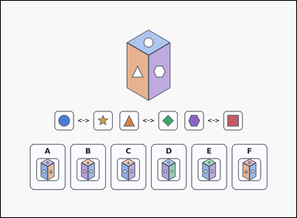 | 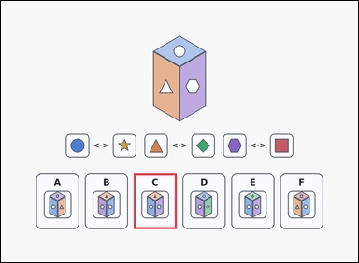 | task_puzzles_spatial_cube_view_label | impossible_cube_view | Look at the cube-view puzzle in the image: a reference cube, three opposite-face hint pairs, and six labeled option cubes underneath. Find the labeled option cube that satisfies the question. Which option cannot be a view of the same cube? Answer with the option letter. Return a valid JSON object with keys "evidence" and "answer" in that order. Evidence format: set "evidence" to an array containing exactly one bounding box [x1, y1, x2, y2] for the correct option panel. Answer requirement: set "answer" to the exact option letter of the correct image option. Example JSON: {"evidence":[[668,638,812,824]],"answer":"E"} | Look at the cube-view puzzle in the image: a reference cube, three opposite-face hint pairs, and six labeled option cubes underneath. Find the labeled option cube that satisfies the question. Which option cannot be a view of the same cube? Answer with the option letter. Return a valid JSON object with key "answer". Answer format: set "answer" to the exact option letter of the correct image option. Example JSON: {"answer":"E"} | {"evidence": [[446.0, 582.0, 590.0, 768.0]], "answer": "C"} | [[446.0, 582.0, 590.0, 768.0]] | option_letter | bbox_set | 399298724977132 | puzzles/task_puzzles_spatial_cube_view_label/images/impossible_cube_view/0013.png | puzzles/task_puzzles_spatial_cube_view_label/data/impossible_cube_view/0013.json
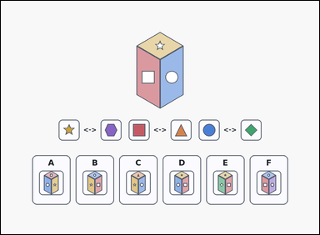 | 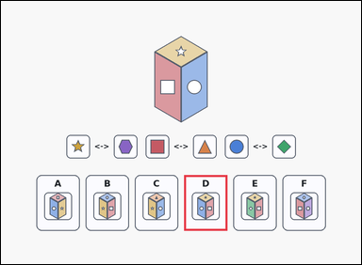 | task_puzzles_spatial_cube_view_label | impossible_cube_view | You are given a reference cube, three opposite-face hint pairs, and six labeled option cubes underneath. Find the labeled option cube that satisfies the question. Which option is inconsistent with the reference cube? Answer with the option letter. Return a valid JSON object with keys "evidence" and "answer" in that order. Evidence format: set "evidence" to an array containing exactly one bounding box [x1, y1, x2, y2] for the correct option panel. Answer requirement: set "answer" to the exact option letter of the correct image option. Example JSON: {"evidence":[[668,638,812,824]],"answer":"E"} | You are given a reference cube, three opposite-face hint pairs, and six labeled option cubes underneath. Find the labeled option cube that satisfies the question. Which option is inconsistent with the reference cube? Answer with the option letter. Return a valid JSON object with key "answer". Answer: set "answer" to the exact option letter of the correct image option. Example JSON: {"answer":"E"} | {"evidence": [[610.0, 582.0, 754.0, 768.0]], "answer": "D"} | [[610.0, 582.0, 754.0, 768.0]] | option_letter | bbox_set | 465768854328875 | puzzles/task_puzzles_spatial_cube_view_label/images/impossible_cube_view/0011.png | puzzles/task_puzzles_spatial_cube_view_label/data/impossible_cube_view/0011.json
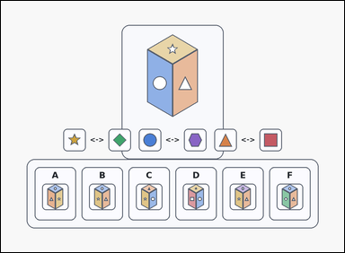 | 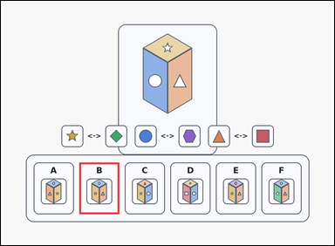 | task_puzzles_spatial_cube_view_label | impossible_cube_view | Look at the cube-view puzzle in the image: a card-style reference cube, three opposite-face hint pairs, and six labeled option cubes underneath. Determine which labeled option cube is correct. Choose the option that cannot match the reference cube from any viewpoint. Answer with the option letter. Return a valid JSON object with keys "evidence" and "answer" in that order. Evidence field: set "evidence" to an array containing exactly one bounding box [x1, y1, x2, y2] for the correct option panel. Answer field: set "answer" to the exact option letter of the correct image option. Example JSON: {"evidence":[[668,638,812,824]],"answer":"E"} | Look at the cube-view puzzle in the image: a card-style reference cube, three opposite-face hint pairs, and six labeled option cubes underneath. Determine which labeled option cube is correct. Choose the option that cannot match the reference cube from any viewpoint. Answer with the option letter. Return a valid JSON object with key "answer". Answer: set "answer" to the exact option letter of the correct image option. Example JSON: {"answer":"E"} | {"evidence": [[282.0, 582.0, 426.0, 768.0]], "answer": "B"} | [[282.0, 582.0, 426.0, 768.0]] | option_letter | bbox_set | 541932247424053 | puzzles/task_puzzles_spatial_cube_view_label/images/impossible_cube_view/0024.png | puzzles/task_puzzles_spatial_cube_view_label/data/impossible_cube_view/0024.json
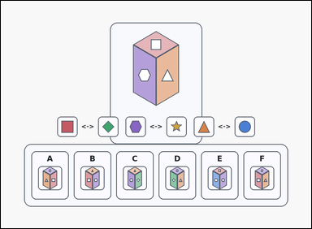 | 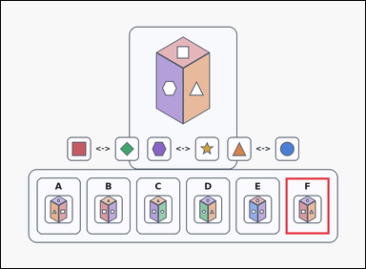 | task_puzzles_spatial_cube_view_label | impossible_cube_view | You are given a card-style reference cube, three opposite-face hint pairs, and six labeled option cubes underneath. Find the labeled option cube that satisfies the question. Which option cannot be a view of the same cube? Answer with the option letter. Return a valid JSON object with keys "evidence" and "answer" in that order. Evidence format: set "evidence" to an array containing exactly one bounding box [x1, y1, x2, y2] for the correct option panel. Answer requirement: set "answer" to the exact option letter of the correct image option. Example JSON: {"evidence":[[668,638,812,824]],"answer":"E"} | You are given a card-style reference cube, three opposite-face hint pairs, and six labeled option cubes underneath. Find the labeled option cube that satisfies the question. Which option cannot be a view of the same cube? Answer with the option letter. Return a valid JSON object with key "answer". Answer field: set "answer" to the exact option letter of the correct image option. Example JSON: {"answer":"E"} | {"evidence": [[938.0, 582.0, 1082.0, 768.0]], "answer": "F"} | [[938.0, 582.0, 1082.0, 768.0]] | option_letter | bbox_set | 1.3559251205E+15 | puzzles/task_puzzles_spatial_cube_view_label/images/impossible_cube_view/0014.png | puzzles/task_puzzles_spatial_cube_view_label/data/impossible_cube_view/0014.json
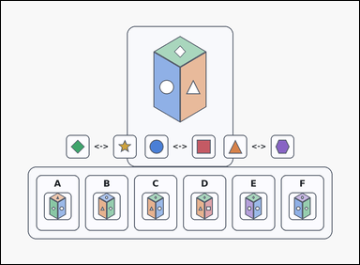 | 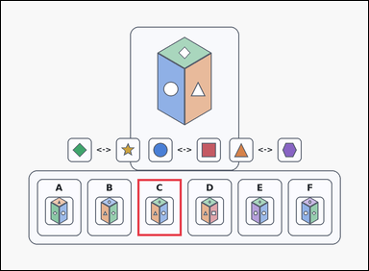 | task_puzzles_spatial_cube_view_label | impossible_cube_view | Work from the spatial puzzle shown in the image: a card-style reference cube, three opposite-face hint pairs, and six labeled option cubes underneath. Use the reference cube and opposite-face hints to identify the correct image option. Select the labeled option that is impossible for the reference cube. Answer with the option letter. Return a valid JSON object with keys "evidence" and "answer" in that order. Evidence requirement: set "evidence" to an array containing exactly one bounding box [x1, y1, x2, y2] for the correct option panel. Answer format: set "answer" to the exact option letter of the correct image option. Example JSON: {"evidence":[[668,638,812,824]],"answer":"E"} | Work from the spatial puzzle shown in the image: a card-style reference cube, three opposite-face hint pairs, and six labeled option cubes underneath. Use the reference cube and opposite-face hints to identify the correct image option. Select the labeled option that is impossible for the reference cube. Answer with the option letter. Return a valid JSON object with key "answer". Answer: set "answer" to the exact option letter of the correct image option. Example JSON: {"answer":"E"} | {"evidence": [[446.0, 582.0, 590.0, 768.0]], "answer": "C"} | [[446.0, 582.0, 590.0, 768.0]] | option_letter | bbox_set | 1.5425636076E+15 | puzzles/task_puzzles_spatial_cube_view_label/images/impossible_cube_view/0015.png | puzzles/task_puzzles_spatial_cube_view_label/data/impossible_cube_view/0015.json
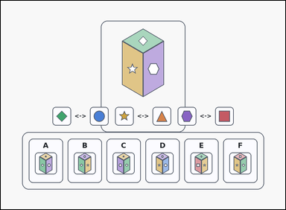 | 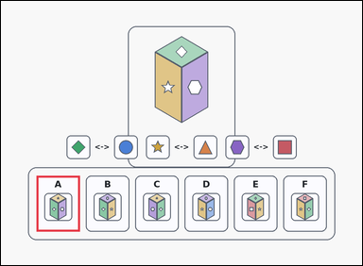 | task_puzzles_spatial_cube_view_label | impossible_cube_view | Use the reference cube, opposite-face hints, and labeled image options in the image: an outline-style reference cube, three opposite-face hint pairs, and six labeled option cubes underneath. Find the labeled option cube that satisfies the question. Select the labeled option that is impossible for the reference cube. Answer with the option letter. Return a valid JSON object with keys "evidence" and "answer" in that order. Evidence field: set "evidence" to an array containing exactly one bounding box [x1, y1, x2, y2] for the correct option panel. Answer field: set "answer" to the exact option letter of the correct image option. Example JSON: {"evidence":[[668,638,812,824]],"answer":"E"} | Use the reference cube, opposite-face hints, and labeled image options in the image: an outline-style reference cube, three opposite-face hint pairs, and six labeled option cubes underneath. Find the labeled option cube that satisfies the question. Select the labeled option that is impossible for the reference cube. Answer with the option letter. Return a valid JSON object with key "answer". Answer requirement: set "answer" to the exact option letter of the correct image option. Example JSON: {"answer":"E"} | {"evidence": [[118.0, 582.0, 262.0, 768.0]], "answer": "A"} | [[118.0, 582.0, 262.0, 768.0]] | option_letter | bbox_set | 2.0748442926E+15 | puzzles/task_puzzles_spatial_cube_view_label/images/impossible_cube_view/0020.png | puzzles/task_puzzles_spatial_cube_view_label/data/impossible_cube_view/0020.json
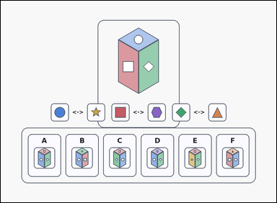 | 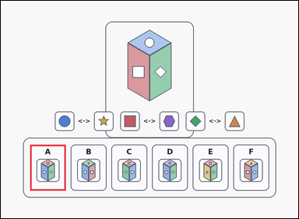 | task_puzzles_spatial_cube_view_label | impossible_cube_view | Work from the spatial puzzle shown in the image: an outline-style reference cube, three opposite-face hint pairs, and six labeled option cubes underneath. Determine which labeled option cube is correct. Select the labeled option that is impossible for the reference cube. Answer with the option letter. Return a valid JSON object with keys "evidence" and "answer" in that order. Evidence: set "evidence" to an array containing exactly one bounding box [x1, y1, x2, y2] for the correct option panel. Answer: set "answer" to the exact option letter of the correct image option. Example JSON: {"evidence":[[668,638,812,824]],"answer":"E"} | Work from the spatial puzzle shown in the image: an outline-style reference cube, three opposite-face hint pairs, and six labeled option cubes underneath. Determine which labeled option cube is correct. Select the labeled option that is impossible for the reference cube. Answer with the option letter. Return a valid JSON object with key "answer". Answer field: set "answer" to the exact option letter of the correct image option. Example JSON: {"answer":"E"} | {"evidence": [[118.0, 582.0, 262.0, 768.0]], "answer": "A"} | [[118.0, 582.0, 262.0, 768.0]] | option_letter | bbox_set | 2.7115256091E+15 | puzzles/task_puzzles_spatial_cube_view_label/images/impossible_cube_view/0021.png | puzzles/task_puzzles_spatial_cube_view_label/data/impossible_cube_view/0021.json
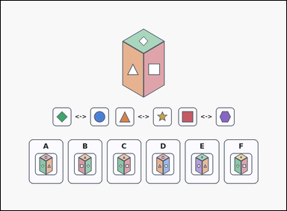 | 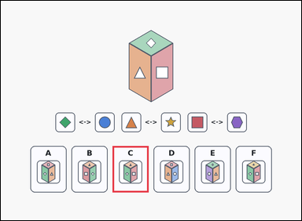 | task_puzzles_spatial_cube_view_label | impossible_cube_view | The image shows a reference cube, three opposite-face hint pairs, and six labeled option cubes underneath. Use the reference cube and opposite-face hints to identify the correct image option. Which option is inconsistent with the reference cube? Answer with the option letter. Return a valid JSON object with keys "evidence" and "answer" in that order. Evidence: set "evidence" to an array containing exactly one bounding box [x1, y1, x2, y2] for the correct option panel. Answer: set "answer" to the exact option letter of the correct image option. Example JSON: {"evidence":[[668,638,812,824]],"answer":"E"} | The image shows a reference cube, three opposite-face hint pairs, and six labeled option cubes underneath. Use the reference cube and opposite-face hints to identify the correct image option. Which option is inconsistent with the reference cube? Answer with the option letter. Return a valid JSON object with key "answer". Answer requirement: set "answer" to the exact option letter of the correct image option. Example JSON: {"answer":"E"} | {"evidence": [[446.0, 582.0, 590.0, 768.0]], "answer": "C"} | [[446.0, 582.0, 590.0, 768.0]] | option_letter | bbox_set | 2.9204209082E+15 | puzzles/task_puzzles_spatial_cube_view_label/images/impossible_cube_view/0023.png | puzzles/task_puzzles_spatial_cube_view_label/data/impossible_cube_view/0023.json
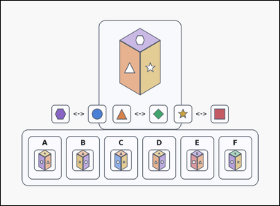 | 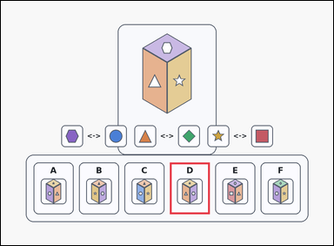 | task_puzzles_spatial_cube_view_label | impossible_cube_view | Work from the spatial puzzle shown in the image: a card-style reference cube, three opposite-face hint pairs, and six labeled option cubes underneath. Work from the reference cube plus the opposite-face hints and choose the correct option. Which labeled option is not a possible view of the same cube? Answer with the option letter. Return a valid JSON object with keys "evidence" and "answer" in that order. Evidence rule: set "evidence" to an array containing exactly one bounding box [x1, y1, x2, y2] for the correct option panel. Answer rule: set "answer" to the exact option letter of the correct image option. Example JSON: {"evidence":[[668,638,812,824]],"answer":"E"} | Work from the spatial puzzle shown in the image: a card-style reference cube, three opposite-face hint pairs, and six labeled option cubes underneath. Work from the reference cube plus the opposite-face hints and choose the correct option. Which labeled option is not a possible view of the same cube? Answer with the option letter. Return a valid JSON object with key "answer". Answer: set "answer" to the exact option letter of the correct image option. Example JSON: {"answer":"E"} | {"evidence": [[610.0, 582.0, 754.0, 768.0]], "answer": "D"} | [[610.0, 582.0, 754.0, 768.0]] | option_letter | bbox_set | 3.1727661569E+15 | puzzles/task_puzzles_spatial_cube_view_label/images/impossible_cube_view/0018.png | puzzles/task_puzzles_spatial_cube_view_label/data/impossible_cube_view/0018.json
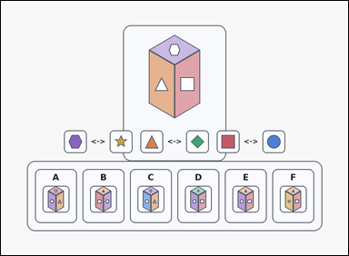 | 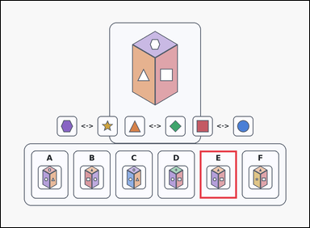 | task_puzzles_spatial_cube_view_label | impossible_cube_view | Use the reference cube, opposite-face hints, and labeled image options in the image: a card-style reference cube, three opposite-face hint pairs, and six labeled option cubes underneath. Use the reference cube and opposite-face hints to identify the correct image option. Which option cannot be a view of the same cube? Answer with the option letter. Return a valid JSON object with keys "evidence" and "answer" in that order. Evidence field: set "evidence" to an array containing exactly one bounding box [x1, y1, x2, y2] for the correct option panel. Answer field: set "answer" to the exact option letter of the correct image option. Example JSON: {"evidence":[[668,638,812,824]],"answer":"E"} | Use the reference cube, opposite-face hints, and labeled image options in the image: a card-style reference cube, three opposite-face hint pairs, and six labeled option cubes underneath. Use the reference cube and opposite-face hints to identify the correct image option. Which option cannot be a view of the same cube? Answer with the option letter. Return a valid JSON object with key "answer". Answer: set "answer" to the exact option letter of the correct image option. Example JSON: {"answer":"E"} | {"evidence": [[774.0, 582.0, 918.0, 768.0]], "answer": "E"} | [[774.0, 582.0, 918.0, 768.0]] | option_letter | bbox_set | 3.2967055395E+15 | puzzles/task_puzzles_spatial_cube_view_label/images/impossible_cube_view/0004.png | puzzles/task_puzzles_spatial_cube_view_label/data/impossible_cube_view/0004.json
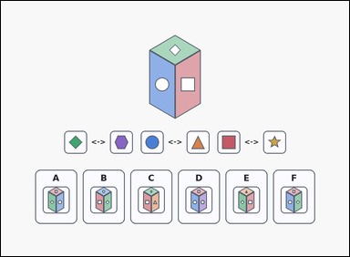 | 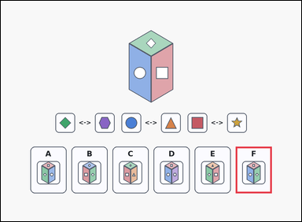 | task_puzzles_spatial_cube_view_label | impossible_cube_view | Work from the spatial puzzle shown in the image: a reference cube, three opposite-face hint pairs, and six labeled option cubes underneath. Find the labeled option cube that satisfies the question. Which labeled option is not a possible view of the same cube? Answer with the option letter. Return a valid JSON object with keys "evidence" and "answer" in that order. Evidence: set "evidence" to an array containing exactly one bounding box [x1, y1, x2, y2] for the correct option panel. Answer: set "answer" to the exact option letter of the correct image option. Example JSON: {"evidence":[[668,638,812,824]],"answer":"E"} | Work from the spatial puzzle shown in the image: a reference cube, three opposite-face hint pairs, and six labeled option cubes underneath. Find the labeled option cube that satisfies the question. Which labeled option is not a possible view of the same cube? Answer with the option letter. Return a valid JSON object with key "answer". Answer requirement: set "answer" to the exact option letter of the correct image option. Example JSON: {"answer":"E"} | {"evidence": [[938.0, 582.0, 1082.0, 768.0]], "answer": "F"} | [[938.0, 582.0, 1082.0, 768.0]] | option_letter | bbox_set | 4.4631940743E+15 | puzzles/task_puzzles_spatial_cube_view_label/images/impossible_cube_view/0017.png | puzzles/task_puzzles_spatial_cube_view_label/data/impossible_cube_view/0017.json
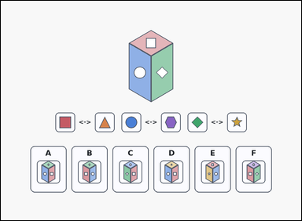 | 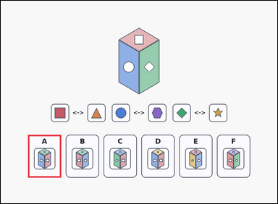 | task_puzzles_spatial_cube_view_label | impossible_cube_view | Look at the cube-view puzzle in the image: a reference cube, three opposite-face hint pairs, and six labeled option cubes underneath. Find the labeled option cube that satisfies the question. Which option cannot be a view of the same cube? Answer with the option letter. Return a valid JSON object with keys "evidence" and "answer" in that order. Evidence: set "evidence" to an array containing exactly one bounding box [x1, y1, x2, y2] for the correct option panel. Answer: set "answer" to the exact option letter of the correct image option. Example JSON: {"evidence":[[668,638,812,824]],"answer":"E"} | Look at the cube-view puzzle in the image: a reference cube, three opposite-face hint pairs, and six labeled option cubes underneath. Find the labeled option cube that satisfies the question. Which option cannot be a view of the same cube? Answer with the option letter. Return a valid JSON object with key "answer". Answer field: set "answer" to the exact option letter of the correct image option. Example JSON: {"answer":"E"} | {"evidence": [[118.0, 582.0, 262.0, 768.0]], "answer": "A"} | [[118.0, 582.0, 262.0, 768.0]] | option_letter | bbox_set | 4.4827120285E+15 | puzzles/task_puzzles_spatial_cube_view_label/images/impossible_cube_view/0022.png | puzzles/task_puzzles_spatial_cube_view_label/data/impossible_cube_view/0022.json
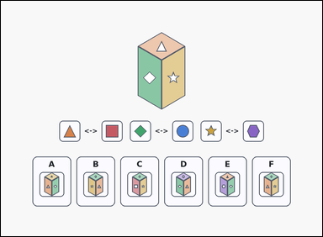 | 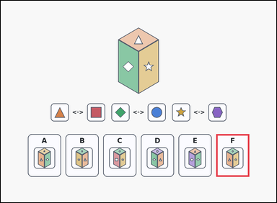 | task_puzzles_spatial_cube_view_label | impossible_cube_view | Look at the cube-view puzzle in the image: a reference cube, three opposite-face hint pairs, and six labeled option cubes underneath. Determine which labeled option cube is correct. Which labeled option is not a possible view of the same cube? Answer with the option letter. Return a valid JSON object with keys "evidence" and "answer" in that order. Evidence format: set "evidence" to an array containing exactly one bounding box [x1, y1, x2, y2] for the correct option panel. Answer requirement: set "answer" to the exact option letter of the correct image option. Example JSON: {"evidence":[[668,638,812,824]],"answer":"E"} | Look at the cube-view puzzle in the image: a reference cube, three opposite-face hint pairs, and six labeled option cubes underneath. Determine which labeled option cube is correct. Which labeled option is not a possible view of the same cube? Answer with the option letter. Return a valid JSON object with key "answer". Answer: set "answer" to the exact option letter of the correct image option. Example JSON: {"answer":"E"} | {"evidence": [[938.0, 582.0, 1082.0, 768.0]], "answer": "F"} | [[938.0, 582.0, 1082.0, 768.0]] | option_letter | bbox_set | 4.4842581317E+15 | puzzles/task_puzzles_spatial_cube_view_label/images/impossible_cube_view/0001.png | puzzles/task_puzzles_spatial_cube_view_label/data/impossible_cube_view/0001.json
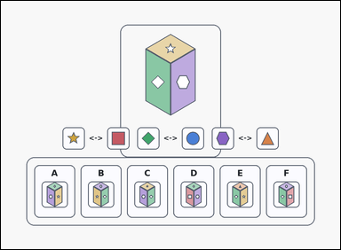 | 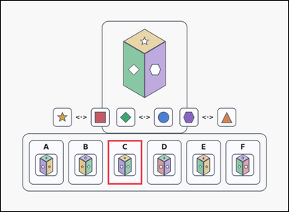 | task_puzzles_spatial_cube_view_label | impossible_cube_view | Work from the spatial puzzle shown in the image: an outline-style reference cube, three opposite-face hint pairs, and six labeled option cubes underneath. Choose the correct labeled option cube. Which option cannot be a view of the same cube? Answer with the option letter. Return a valid JSON object with keys "evidence" and "answer" in that order. Evidence requirement: set "evidence" to an array containing exactly one bounding box [x1, y1, x2, y2] for the correct option panel. Answer format: set "answer" to the exact option letter of the correct image option. Example JSON: {"evidence":[[668,638,812,824]],"answer":"E"} | Work from the spatial puzzle shown in the image: an outline-style reference cube, three opposite-face hint pairs, and six labeled option cubes underneath. Choose the correct labeled option cube. Which option cannot be a view of the same cube? Answer with the option letter. Return a valid JSON object with key "answer". Answer format: set "answer" to the exact option letter of the correct image option. Example JSON: {"answer":"E"} | {"evidence": [[446.0, 582.0, 590.0, 768.0]], "answer": "C"} | [[446.0, 582.0, 590.0, 768.0]] | option_letter | bbox_set | 4.8463669887E+15 | puzzles/task_puzzles_spatial_cube_view_label/images/impossible_cube_view/0003.png | puzzles/task_puzzles_spatial_cube_view_label/data/impossible_cube_view/0003.json
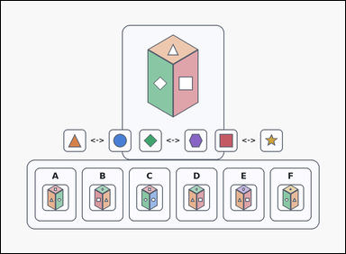 | 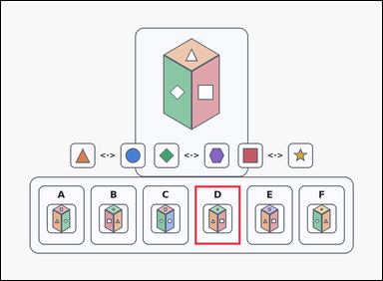 | task_puzzles_spatial_cube_view_label | impossible_cube_view | Use the reference cube, opposite-face hints, and labeled image options in the image: a card-style reference cube, three opposite-face hint pairs, and six labeled option cubes underneath. Work from the reference cube plus the opposite-face hints and choose the correct option. Choose the option that cannot match the reference cube from any viewpoint. Answer with the option letter. Return a valid JSON object with keys "evidence" and "answer" in that order. Evidence requirement: set "evidence" to an array containing exactly one bounding box [x1, y1, x2, y2] for the correct option panel. Answer format: set "answer" to the exact option letter of the correct image option. Example JSON: {"evidence":[[668,638,812,824]],"answer":"E"} | Use the reference cube, opposite-face hints, and labeled image options in the image: a card-style reference cube, three opposite-face hint pairs, and six labeled option cubes underneath. Work from the reference cube plus the opposite-face hints and choose the correct option. Choose the option that cannot match the reference cube from any viewpoint. Answer with the option letter. Return a valid JSON object with key "answer". Answer requirement: set "answer" to the exact option letter of the correct image option. Example JSON: {"answer":"E"} | {"evidence": [[610.0, 582.0, 754.0, 768.0]], "answer": "D"} | [[610.0, 582.0, 754.0, 768.0]] | option_letter | bbox_set | 5.07199569E+15 | puzzles/task_puzzles_spatial_cube_view_label/images/impossible_cube_view/0012.png | puzzles/task_puzzles_spatial_cube_view_label/data/impossible_cube_view/0012.json
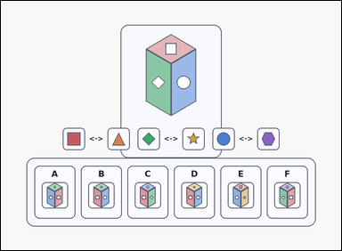 | 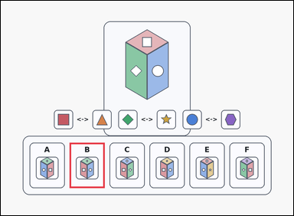 | task_puzzles_spatial_cube_view_label | impossible_cube_view | Use the reference cube, opposite-face hints, and labeled image options in the image: a card-style reference cube, three opposite-face hint pairs, and six labeled option cubes underneath. Determine which labeled option cube is correct. Which labeled option is not a possible view of the same cube? Answer with the option letter. Return a valid JSON object with keys "evidence" and "answer" in that order. Evidence: set "evidence" to an array containing exactly one bounding box [x1, y1, x2, y2] for the correct option panel. Answer: set "answer" to the exact option letter of the correct image option. Example JSON: {"evidence":[[668,638,812,824]],"answer":"E"} | Use the reference cube, opposite-face hints, and labeled image options in the image: a card-style reference cube, three opposite-face hint pairs, and six labeled option cubes underneath. Determine which labeled option cube is correct. Which labeled option is not a possible view of the same cube? Answer with the option letter. Return a valid JSON object with key "answer". Answer field: set "answer" to the exact option letter of the correct image option. Example JSON: {"answer":"E"} | {"evidence": [[282.0, 582.0, 426.0, 768.0]], "answer": "B"} | [[282.0, 582.0, 426.0, 768.0]] | option_letter | bbox_set | 5.0800029244E+15 | puzzles/task_puzzles_spatial_cube_view_label/images/impossible_cube_view/0019.png | puzzles/task_puzzles_spatial_cube_view_label/data/impossible_cube_view/0019.json
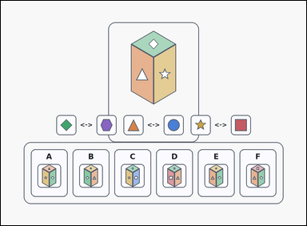 | 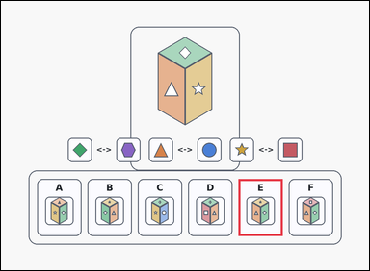 | task_puzzles_spatial_cube_view_label | impossible_cube_view | You are given an outline-style reference cube, three opposite-face hint pairs, and six labeled option cubes underneath. Use the reference cube and opposite-face hints to identify the correct image option. Choose the option that cannot match the reference cube from any viewpoint. Answer with the option letter. Return a valid JSON object with keys "evidence" and "answer" in that order. Evidence format: set "evidence" to an array containing exactly one bounding box [x1, y1, x2, y2] for the correct option panel. Answer requirement: set "answer" to the exact option letter of the correct image option. Example JSON: {"evidence":[[668,638,812,824]],"answer":"E"} | You are given an outline-style reference cube, three opposite-face hint pairs, and six labeled option cubes underneath. Use the reference cube and opposite-face hints to identify the correct image option. Choose the option that cannot match the reference cube from any viewpoint. Answer with the option letter. Return a valid JSON object with key "answer". Answer format: set "answer" to the exact option letter of the correct image option. Example JSON: {"answer":"E"} | {"evidence": [[774.0, 582.0, 918.0, 768.0]], "answer": "E"} | [[774.0, 582.0, 918.0, 768.0]] | option_letter | bbox_set | 5.8245823128E+15 | puzzles/task_puzzles_spatial_cube_view_label/images/impossible_cube_view/0002.png | puzzles/task_puzzles_spatial_cube_view_label/data/impossible_cube_view/0002.json
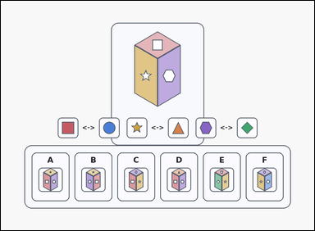 | 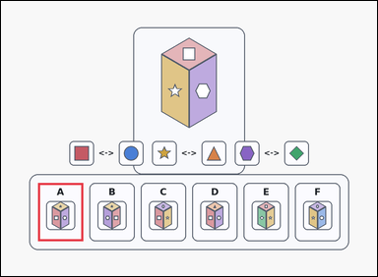 | task_puzzles_spatial_cube_view_label | impossible_cube_view | The image shows a card-style reference cube, three opposite-face hint pairs, and six labeled option cubes underneath. Choose the correct labeled option cube. Which option cannot be a view of the same cube? Answer with the option letter. Return a valid JSON object with keys "evidence" and "answer" in that order. Evidence: set "evidence" to an array containing exactly one bounding box [x1, y1, x2, y2] for the correct option panel. Answer: set "answer" to the exact option letter of the correct image option. Example JSON: {"evidence":[[668,638,812,824]],"answer":"E"} | The image shows a card-style reference cube, three opposite-face hint pairs, and six labeled option cubes underneath. Choose the correct labeled option cube. Which option cannot be a view of the same cube? Answer with the option letter. Return a valid JSON object with key "answer". Answer rule: set "answer" to the exact option letter of the correct image option. Example JSON: {"answer":"E"} | {"evidence": [[118.0, 582.0, 262.0, 768.0]], "answer": "A"} | [[118.0, 582.0, 262.0, 768.0]] | option_letter | bbox_set | 6.3817283165E+15 | puzzles/task_puzzles_spatial_cube_view_label/images/impossible_cube_view/0000.png | puzzles/task_puzzles_spatial_cube_view_label/data/impossible_cube_view/0000.json
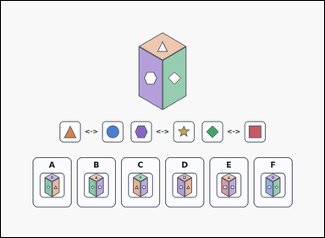 | 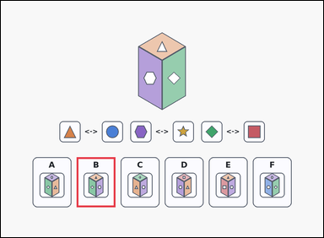 | task_puzzles_spatial_cube_view_label | impossible_cube_view | Use the reference cube, opposite-face hints, and labeled image options in the image: a reference cube, three opposite-face hint pairs, and six labeled option cubes underneath. Work from the reference cube plus the opposite-face hints and choose the correct option. Which labeled option is not a possible view of the same cube? Answer with the option letter. Return a valid JSON object with keys "evidence" and "answer" in that order. Evidence rule: set "evidence" to an array containing exactly one bounding box [x1, y1, x2, y2] for the correct option panel. Answer rule: set "answer" to the exact option letter of the correct image option. Example JSON: {"evidence":[[668,638,812,824]],"answer":"E"} | Use the reference cube, opposite-face hints, and labeled image options in the image: a reference cube, three opposite-face hint pairs, and six labeled option cubes underneath. Work from the reference cube plus the opposite-face hints and choose the correct option. Which labeled option is not a possible view of the same cube? Answer with the option letter. Return a valid JSON object with key "answer". Answer requirement: set "answer" to the exact option letter of the correct image option. Example JSON: {"answer":"E"} | {"evidence": [[282.0, 582.0, 426.0, 768.0]], "answer": "B"} | [[282.0, 582.0, 426.0, 768.0]] | option_letter | bbox_set | 6.4439143043E+15 | puzzles/task_puzzles_spatial_cube_view_label/images/impossible_cube_view/0010.png | puzzles/task_puzzles_spatial_cube_view_label/data/impossible_cube_view/0010.json
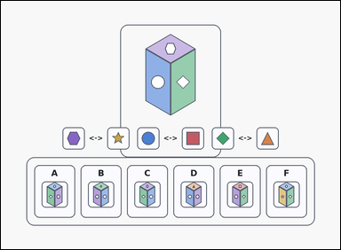 | 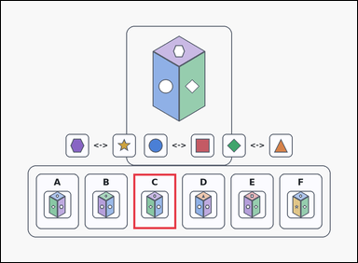 | task_puzzles_spatial_cube_view_label | impossible_cube_view | Use the reference cube, opposite-face hints, and labeled image options in the image: an outline-style reference cube, three opposite-face hint pairs, and six labeled option cubes underneath. Choose the correct labeled option cube. Select the labeled option that is impossible for the reference cube. Answer with the option letter. Return a valid JSON object with keys "evidence" and "answer" in that order. Evidence requirement: set "evidence" to an array containing exactly one bounding box [x1, y1, x2, y2] for the correct option panel. Answer format: set "answer" to the exact option letter of the correct image option. Example JSON: {"evidence":[[668,638,812,824]],"answer":"E"} | Use the reference cube, opposite-face hints, and labeled image options in the image: an outline-style reference cube, three opposite-face hint pairs, and six labeled option cubes underneath. Choose the correct labeled option cube. Select the labeled option that is impossible for the reference cube. Answer with the option letter. Return a valid JSON object with key "answer". Answer rule: set "answer" to the exact option letter of the correct image option. Example JSON: {"answer":"E"} | {"evidence": [[446.0, 582.0, 590.0, 768.0]], "answer": "C"} | [[446.0, 582.0, 590.0, 768.0]] | option_letter | bbox_set | 6.9781324976E+15 | puzzles/task_puzzles_spatial_cube_view_label/images/impossible_cube_view/0016.png | puzzles/task_puzzles_spatial_cube_view_label/data/impossible_cube_view/0016.json
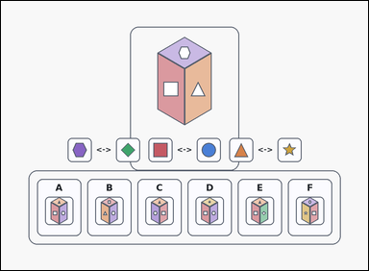 | 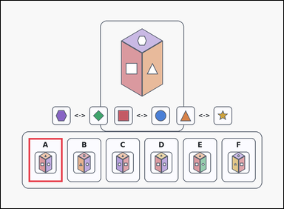 | task_puzzles_spatial_cube_view_label | impossible_cube_view | The image shows an outline-style reference cube, three opposite-face hint pairs, and six labeled option cubes underneath. Use the reference cube and opposite-face hints to identify the correct image option. Select the labeled option that is impossible for the reference cube. Answer with the option letter. Return a valid JSON object with keys "evidence" and "answer" in that order. Evidence format: set "evidence" to an array containing exactly one bounding box [x1, y1, x2, y2] for the correct option panel. Answer requirement: set "answer" to the exact option letter of the correct image option. Example JSON: {"evidence":[[668,638,812,824]],"answer":"E"} | The image shows an outline-style reference cube, three opposite-face hint pairs, and six labeled option cubes underneath. Use the reference cube and opposite-face hints to identify the correct image option. Select the labeled option that is impossible for the reference cube. Answer with the option letter. Return a valid JSON object with key "answer". Answer rule: set "answer" to the exact option letter of the correct image option. Example JSON: {"answer":"E"} | {"evidence": [[118.0, 582.0, 262.0, 768.0]], "answer": "A"} | [[118.0, 582.0, 262.0, 768.0]] | option_letter | bbox_set | 7.5061705081E+15 | puzzles/task_puzzles_spatial_cube_view_label/images/impossible_cube_view/0005.png | puzzles/task_puzzles_spatial_cube_view_label/data/impossible_cube_view/0005.json
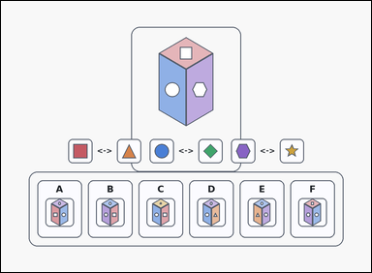 | 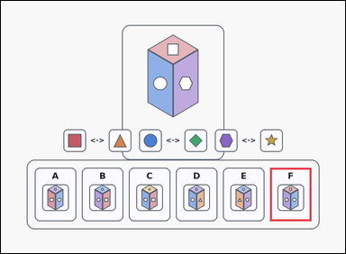 | task_puzzles_spatial_cube_view_label | impossible_cube_view | Look at the cube-view puzzle in the image: an outline-style reference cube, three opposite-face hint pairs, and six labeled option cubes underneath. Use the reference cube and opposite-face hints to identify the correct image option. Which option cannot be a view of the same cube? Answer with the option letter. Return a valid JSON object with keys "evidence" and "answer" in that order. Evidence: set "evidence" to an array containing exactly one bounding box [x1, y1, x2, y2] for the correct option panel. Answer: set "answer" to the exact option letter of the correct image option. Example JSON: {"evidence":[[668,638,812,824]],"answer":"E"} | Look at the cube-view puzzle in the image: an outline-style reference cube, three opposite-face hint pairs, and six labeled option cubes underneath. Use the reference cube and opposite-face hints to identify the correct image option. Which option cannot be a view of the same cube? Answer with the option letter. Return a valid JSON object with key "answer". Answer requirement: set "answer" to the exact option letter of the correct image option. Example JSON: {"answer":"E"} | {"evidence": [[938.0, 582.0, 1082.0, 768.0]], "answer": "F"} | [[938.0, 582.0, 1082.0, 768.0]] | option_letter | bbox_set | 7.5766141347E+15 | puzzles/task_puzzles_spatial_cube_view_label/images/impossible_cube_view/0006.png | puzzles/task_puzzles_spatial_cube_view_label/data/impossible_cube_view/0006.json
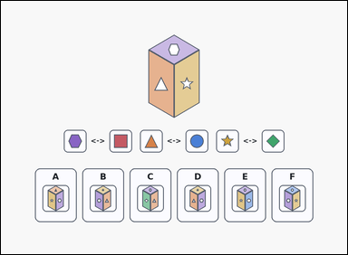 | 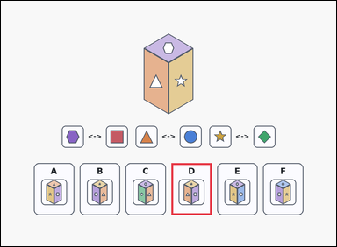 | task_puzzles_spatial_cube_view_label | impossible_cube_view | You are given a reference cube, three opposite-face hint pairs, and six labeled option cubes underneath. Find the labeled option cube that satisfies the question. Choose the option that cannot match the reference cube from any viewpoint. Answer with the option letter. Return a valid JSON object with keys "evidence" and "answer" in that order. Evidence format: set "evidence" to an array containing exactly one bounding box [x1, y1, x2, y2] for the correct option panel. Answer requirement: set "answer" to the exact option letter of the correct image option. Example JSON: {"evidence":[[668,638,812,824]],"answer":"E"} | You are given a reference cube, three opposite-face hint pairs, and six labeled option cubes underneath. Find the labeled option cube that satisfies the question. Choose the option that cannot match the reference cube from any viewpoint. Answer with the option letter. Return a valid JSON object with key "answer". Answer field: set "answer" to the exact option letter of the correct image option. Example JSON: {"answer":"E"} | {"evidence": [[610.0, 582.0, 754.0, 768.0]], "answer": "D"} | [[610.0, 582.0, 754.0, 768.0]] | option_letter | bbox_set | 8.1434071203E+15 | puzzles/task_puzzles_spatial_cube_view_label/images/impossible_cube_view/0009.png | puzzles/task_puzzles_spatial_cube_view_label/data/impossible_cube_view/0009.json
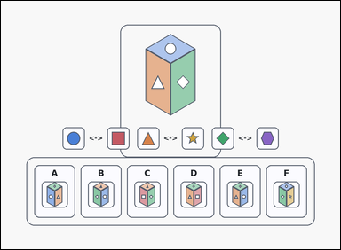 | 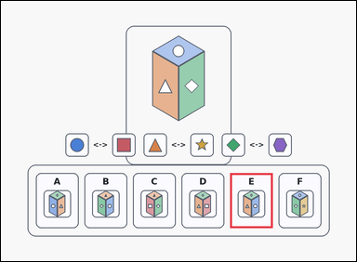 | task_puzzles_spatial_cube_view_label | impossible_cube_view | You are given an outline-style reference cube, three opposite-face hint pairs, and six labeled option cubes underneath. Use the reference cube and opposite-face hints to identify the correct image option. Choose the option that cannot match the reference cube from any viewpoint. Answer with the option letter. Return a valid JSON object with keys "evidence" and "answer" in that order. Evidence requirement: set "evidence" to an array containing exactly one bounding box [x1, y1, x2, y2] for the correct option panel. Answer format: set "answer" to the exact option letter of the correct image option. Example JSON: {"evidence":[[668,638,812,824]],"answer":"E"} | You are given an outline-style reference cube, three opposite-face hint pairs, and six labeled option cubes underneath. Use the reference cube and opposite-face hints to identify the correct image option. Choose the option that cannot match the reference cube from any viewpoint. Answer with the option letter. Return a valid JSON object with key "answer". Answer field: set "answer" to the exact option letter of the correct image option. Example JSON: {"answer":"E"} | {"evidence": [[774.0, 582.0, 918.0, 768.0]], "answer": "E"} | [[774.0, 582.0, 918.0, 768.0]] | option_letter | bbox_set | 8.9308131231E+15 | puzzles/task_puzzles_spatial_cube_view_label/images/impossible_cube_view/0007.png | puzzles/task_puzzles_spatial_cube_view_label/data/impossible_cube_view/0007.json
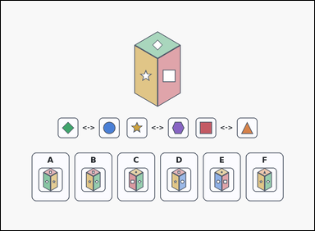 | 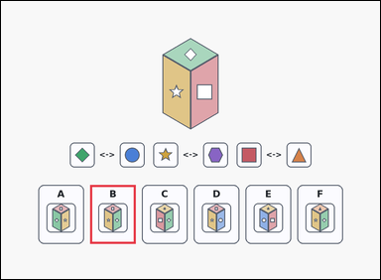 | task_puzzles_spatial_cube_view_label | impossible_cube_view | Look at the cube-view puzzle in the image: a reference cube, three opposite-face hint pairs, and six labeled option cubes underneath. Choose the correct labeled option cube. Which option is inconsistent with the reference cube? Answer with the option letter. Return a valid JSON object with keys "evidence" and "answer" in that order. Evidence rule: set "evidence" to an array containing exactly one bounding box [x1, y1, x2, y2] for the correct option panel. Answer rule: set "answer" to the exact option letter of the correct image option. Example JSON: {"evidence":[[668,638,812,824]],"answer":"E"} | Look at the cube-view puzzle in the image: a reference cube, three opposite-face hint pairs, and six labeled option cubes underneath. Choose the correct labeled option cube. Which option is inconsistent with the reference cube? Answer with the option letter. Return a valid JSON object with key "answer". Answer: set "answer" to the exact option letter of the correct image option. Example JSON: {"answer":"E"} | {"evidence": [[282.0, 582.0, 426.0, 768.0]], "answer": "B"} | [[282.0, 582.0, 426.0, 768.0]] | option_letter | bbox_set | 9.0040913297E+15 | puzzles/task_puzzles_spatial_cube_view_label/images/impossible_cube_view/0008.png | puzzles/task_puzzles_spatial_cube_view_label/data/impossible_cube_view/0008.json

same_cube_view
image | evidence_image | task | task_variant | prompt | prompt_answer_only | answer | answer_evidence | answer_type | evidence_type | instance_seed | image_path | data_path
 |  | task_puzzles_spatial_cube_view_label | same_cube_view | Use the reference cube, opposite-face hints, and labeled image options in the image: an outline-style reference cube, three opposite-face hint pairs, and six labeled option cubes underneath. Determine which labeled option cube is correct. Select the labeled option that could show the same cube from another viewpoint. Answer with the option letter. Return a valid JSON object with keys "evidence" and "answer" in that order. Evidence: set "evidence" to an array containing exactly one bounding box [x1, y1, x2, y2] for the correct option panel. Answer: set "answer" to the exact option letter of the correct image option. Example JSON: {"evidence":[[340,638,484,824]],"answer":"C"} | Use the reference cube, opposite-face hints, and labeled image options in the image: an outline-style reference cube, three opposite-face hint pairs, and six labeled option cubes underneath. Determine which labeled option cube is correct. Select the labeled option that could show the same cube from another viewpoint. Answer with the option letter. Return a valid JSON object with key "answer". Answer: set "answer" to the exact option letter of the correct image option. Example JSON: {"answer":"C"} | {"evidence": [[282.0, 582.0, 426.0, 768.0]], "answer": "B"} | [[282.0, 582.0, 426.0, 768.0]] | option_letter | bbox_set | 589235039131112 | puzzles/task_puzzles_spatial_cube_view_label/images/same_cube_view/0000.png | puzzles/task_puzzles_spatial_cube_view_label/data/same_cube_view/0000.json
 |  | task_puzzles_spatial_cube_view_label | same_cube_view | Look at the cube-view puzzle in the image: a reference cube, three opposite-face hint pairs, and six labeled option cubes underneath. Use the reference cube and opposite-face hints to identify the correct image option. Choose the option that could be the same cube seen from a different angle. Answer with the option letter. Return a valid JSON object with keys "evidence" and "answer" in that order. Evidence field: set "evidence" to an array containing exactly one bounding box [x1, y1, x2, y2] for the correct option panel. Answer field: set "answer" to the exact option letter of the correct image option. Example JSON: {"evidence":[[340,638,484,824]],"answer":"C"} | Look at the cube-view puzzle in the image: a reference cube, three opposite-face hint pairs, and six labeled option cubes underneath. Use the reference cube and opposite-face hints to identify the correct image option. Choose the option that could be the same cube seen from a different angle. Answer with the option letter. Return a valid JSON object with key "answer". Answer: set "answer" to the exact option letter of the correct image option. Example JSON: {"answer":"C"} | {"evidence": [[118.0, 582.0, 262.0, 768.0]], "answer": "A"} | [[118.0, 582.0, 262.0, 768.0]] | option_letter | bbox_set | 1.4910058195E+15 | puzzles/task_puzzles_spatial_cube_view_label/images/same_cube_view/0007.png | puzzles/task_puzzles_spatial_cube_view_label/data/same_cube_view/0007.json
 |  | task_puzzles_spatial_cube_view_label | same_cube_view | Work from the spatial puzzle shown in the image: an outline-style reference cube, three opposite-face hint pairs, and six labeled option cubes underneath. Work from the reference cube plus the opposite-face hints and choose the correct option. Which labeled option is a possible view of the same cube? Answer with the option letter. Return a valid JSON object with keys "evidence" and "answer" in that order. Evidence: set "evidence" to an array containing exactly one bounding box [x1, y1, x2, y2] for the correct option panel. Answer: set "answer" to the exact option letter of the correct image option. Example JSON: {"evidence":[[340,638,484,824]],"answer":"C"} | Work from the spatial puzzle shown in the image: an outline-style reference cube, three opposite-face hint pairs, and six labeled option cubes underneath. Work from the reference cube plus the opposite-face hints and choose the correct option. Which labeled option is a possible view of the same cube? Answer with the option letter. Return a valid JSON object with key "answer". Answer field: set "answer" to the exact option letter of the correct image option. Example JSON: {"answer":"C"} | {"evidence": [[118.0, 582.0, 262.0, 768.0]], "answer": "A"} | [[118.0, 582.0, 262.0, 768.0]] | option_letter | bbox_set | 1.597403484E+15 | puzzles/task_puzzles_spatial_cube_view_label/images/same_cube_view/0008.png | puzzles/task_puzzles_spatial_cube_view_label/data/same_cube_view/0008.json
 |  | task_puzzles_spatial_cube_view_label | same_cube_view | Use the reference cube, opposite-face hints, and labeled image options in the image: an outline-style reference cube, three opposite-face hint pairs, and six labeled option cubes underneath. Use the reference cube and opposite-face hints to identify the correct image option. Select the labeled option that could show the same cube from another viewpoint. Answer with the option letter. Return a valid JSON object with keys "evidence" and "answer" in that order. Evidence field: set "evidence" to an array containing exactly one bounding box [x1, y1, x2, y2] for the correct option panel. Answer field: set "answer" to the exact option letter of the correct image option. Example JSON: {"evidence":[[340,638,484,824]],"answer":"C"} | Use the reference cube, opposite-face hints, and labeled image options in the image: an outline-style reference cube, three opposite-face hint pairs, and six labeled option cubes underneath. Use the reference cube and opposite-face hints to identify the correct image option. Select the labeled option that could show the same cube from another viewpoint. Answer with the option letter. Return a valid JSON object with key "answer". Answer format: set "answer" to the exact option letter of the correct image option. Example JSON: {"answer":"C"} | {"evidence": [[446.0, 582.0, 590.0, 768.0]], "answer": "C"} | [[446.0, 582.0, 590.0, 768.0]] | option_letter | bbox_set | 1.6071285945E+15 | puzzles/task_puzzles_spatial_cube_view_label/images/same_cube_view/0003.png | puzzles/task_puzzles_spatial_cube_view_label/data/same_cube_view/0003.json
 |  | task_puzzles_spatial_cube_view_label | same_cube_view | The image shows a reference cube, three opposite-face hint pairs, and six labeled option cubes underneath. Use the reference cube and opposite-face hints to identify the correct image option. Which option could be another view of the same cube? Answer with the option letter. Return a valid JSON object with keys "evidence" and "answer" in that order. Evidence field: set "evidence" to an array containing exactly one bounding box [x1, y1, x2, y2] for the correct option panel. Answer field: set "answer" to the exact option letter of the correct image option. Example JSON: {"evidence":[[340,638,484,824]],"answer":"C"} | The image shows a reference cube, three opposite-face hint pairs, and six labeled option cubes underneath. Use the reference cube and opposite-face hints to identify the correct image option. Which option could be another view of the same cube? Answer with the option letter. Return a valid JSON object with key "answer". Answer field: set "answer" to the exact option letter of the correct image option. Example JSON: {"answer":"C"} | {"evidence": [[118.0, 582.0, 262.0, 768.0]], "answer": "A"} | [[118.0, 582.0, 262.0, 768.0]] | option_letter | bbox_set | 1.7751181626E+15 | puzzles/task_puzzles_spatial_cube_view_label/images/same_cube_view/0011.png | puzzles/task_puzzles_spatial_cube_view_label/data/same_cube_view/0011.json
 |  | task_puzzles_spatial_cube_view_label | same_cube_view | Look at the cube-view puzzle in the image: a card-style reference cube, three opposite-face hint pairs, and six labeled option cubes underneath. Find the labeled option cube that satisfies the question. Choose the option that could be the same cube seen from a different angle. Answer with the option letter. Return a valid JSON object with keys "evidence" and "answer" in that order. Evidence field: set "evidence" to an array containing exactly one bounding box [x1, y1, x2, y2] for the correct option panel. Answer field: set "answer" to the exact option letter of the correct image option. Example JSON: {"evidence":[[340,638,484,824]],"answer":"C"} | Look at the cube-view puzzle in the image: a card-style reference cube, three opposite-face hint pairs, and six labeled option cubes underneath. Find the labeled option cube that satisfies the question. Choose the option that could be the same cube seen from a different angle. Answer with the option letter. Return a valid JSON object with key "answer". Answer: set "answer" to the exact option letter of the correct image option. Example JSON: {"answer":"C"} | {"evidence": [[938.0, 582.0, 1082.0, 768.0]], "answer": "F"} | [[938.0, 582.0, 1082.0, 768.0]] | option_letter | bbox_set | 1.9261276494E+15 | puzzles/task_puzzles_spatial_cube_view_label/images/same_cube_view/0012.png | puzzles/task_puzzles_spatial_cube_view_label/data/same_cube_view/0012.json
 |  | task_puzzles_spatial_cube_view_label | same_cube_view | Use the reference cube, opposite-face hints, and labeled image options in the image: a reference cube, three opposite-face hint pairs, and six labeled option cubes underneath. Choose the correct labeled option cube. Which option could be another view of the same cube? Answer with the option letter. Return a valid JSON object with keys "evidence" and "answer" in that order. Evidence requirement: set "evidence" to an array containing exactly one bounding box [x1, y1, x2, y2] for the correct option panel. Answer format: set "answer" to the exact option letter of the correct image option. Example JSON: {"evidence":[[340,638,484,824]],"answer":"C"} | Use the reference cube, opposite-face hints, and labeled image options in the image: a reference cube, three opposite-face hint pairs, and six labeled option cubes underneath. Choose the correct labeled option cube. Which option could be another view of the same cube? Answer with the option letter. Return a valid JSON object with key "answer". Answer field: set "answer" to the exact option letter of the correct image option. Example JSON: {"answer":"C"} | {"evidence": [[774.0, 582.0, 918.0, 768.0]], "answer": "E"} | [[774.0, 582.0, 918.0, 768.0]] | option_letter | bbox_set | 1.9599258763E+15 | puzzles/task_puzzles_spatial_cube_view_label/images/same_cube_view/0004.png | puzzles/task_puzzles_spatial_cube_view_label/data/same_cube_view/0004.json
 |  | task_puzzles_spatial_cube_view_label | same_cube_view | Use the reference cube, opposite-face hints, and labeled image options in the image: a card-style reference cube, three opposite-face hint pairs, and six labeled option cubes underneath. Find the labeled option cube that satisfies the question. Which labeled option is a possible view of the same cube? Answer with the option letter. Return a valid JSON object with keys "evidence" and "answer" in that order. Evidence: set "evidence" to an array containing exactly one bounding box [x1, y1, x2, y2] for the correct option panel. Answer: set "answer" to the exact option letter of the correct image option. Example JSON: {"evidence":[[340,638,484,824]],"answer":"C"} | Use the reference cube, opposite-face hints, and labeled image options in the image: a card-style reference cube, three opposite-face hint pairs, and six labeled option cubes underneath. Find the labeled option cube that satisfies the question. Which labeled option is a possible view of the same cube? Answer with the option letter. Return a valid JSON object with key "answer". Answer rule: set "answer" to the exact option letter of the correct image option. Example JSON: {"answer":"C"} | {"evidence": [[118.0, 582.0, 262.0, 768.0]], "answer": "A"} | [[118.0, 582.0, 262.0, 768.0]] | option_letter | bbox_set | 2.672729527E+15 | puzzles/task_puzzles_spatial_cube_view_label/images/same_cube_view/0022.png | puzzles/task_puzzles_spatial_cube_view_label/data/same_cube_view/0022.json
 |  | task_puzzles_spatial_cube_view_label | same_cube_view | Look at the cube-view puzzle in the image: a reference cube, three opposite-face hint pairs, and six labeled option cubes underneath. Find the labeled option cube that satisfies the question. Which option could be another view of the same cube? Answer with the option letter. Return a valid JSON object with keys "evidence" and "answer" in that order. Evidence format: set "evidence" to an array containing exactly one bounding box [x1, y1, x2, y2] for the correct option panel. Answer requirement: set "answer" to the exact option letter of the correct image option. Example JSON: {"evidence":[[340,638,484,824]],"answer":"C"} | Look at the cube-view puzzle in the image: a reference cube, three opposite-face hint pairs, and six labeled option cubes underneath. Find the labeled option cube that satisfies the question. Which option could be another view of the same cube? Answer with the option letter. Return a valid JSON object with key "answer". Answer: set "answer" to the exact option letter of the correct image option. Example JSON: {"answer":"C"} | {"evidence": [[610.0, 582.0, 754.0, 768.0]], "answer": "D"} | [[610.0, 582.0, 754.0, 768.0]] | option_letter | bbox_set | 2.6866114971E+15 | puzzles/task_puzzles_spatial_cube_view_label/images/same_cube_view/0024.png | puzzles/task_puzzles_spatial_cube_view_label/data/same_cube_view/0024.json
 |  | task_puzzles_spatial_cube_view_label | same_cube_view | Use the reference cube, opposite-face hints, and labeled image options in the image: a card-style reference cube, three opposite-face hint pairs, and six labeled option cubes underneath. Use the reference cube and opposite-face hints to identify the correct image option. Select the labeled option that could show the same cube from another viewpoint. Answer with the option letter. Return a valid JSON object with keys "evidence" and "answer" in that order. Evidence rule: set "evidence" to an array containing exactly one bounding box [x1, y1, x2, y2] for the correct option panel. Answer rule: set "answer" to the exact option letter of the correct image option. Example JSON: {"evidence":[[340,638,484,824]],"answer":"C"} | Use the reference cube, opposite-face hints, and labeled image options in the image: a card-style reference cube, three opposite-face hint pairs, and six labeled option cubes underneath. Use the reference cube and opposite-face hints to identify the correct image option. Select the labeled option that could show the same cube from another viewpoint. Answer with the option letter. Return a valid JSON object with key "answer". Answer rule: set "answer" to the exact option letter of the correct image option. Example JSON: {"answer":"C"} | {"evidence": [[774.0, 582.0, 918.0, 768.0]], "answer": "E"} | [[774.0, 582.0, 918.0, 768.0]] | option_letter | bbox_set | 2.7223224297E+15 | puzzles/task_puzzles_spatial_cube_view_label/images/same_cube_view/0017.png | puzzles/task_puzzles_spatial_cube_view_label/data/same_cube_view/0017.json
 |  | task_puzzles_spatial_cube_view_label | same_cube_view | Use the reference cube, opposite-face hints, and labeled image options in the image: a card-style reference cube, three opposite-face hint pairs, and six labeled option cubes underneath. Choose the correct labeled option cube. Select the labeled option that could show the same cube from another viewpoint. Answer with the option letter. Return a valid JSON object with keys "evidence" and "answer" in that order. Evidence format: set "evidence" to an array containing exactly one bounding box [x1, y1, x2, y2] for the correct option panel. Answer requirement: set "answer" to the exact option letter of the correct image option. Example JSON: {"evidence":[[340,638,484,824]],"answer":"C"} | Use the reference cube, opposite-face hints, and labeled image options in the image: a card-style reference cube, three opposite-face hint pairs, and six labeled option cubes underneath. Choose the correct labeled option cube. Select the labeled option that could show the same cube from another viewpoint. Answer with the option letter. Return a valid JSON object with key "answer". Answer format: set "answer" to the exact option letter of the correct image option. Example JSON: {"answer":"C"} | {"evidence": [[282.0, 582.0, 426.0, 768.0]], "answer": "B"} | [[282.0, 582.0, 426.0, 768.0]] | option_letter | bbox_set | 3.1831459631E+15 | puzzles/task_puzzles_spatial_cube_view_label/images/same_cube_view/0010.png | puzzles/task_puzzles_spatial_cube_view_label/data/same_cube_view/0010.json
 |  | task_puzzles_spatial_cube_view_label | same_cube_view | Work from the spatial puzzle shown in the image: an outline-style reference cube, three opposite-face hint pairs, and six labeled option cubes underneath. Determine which labeled option cube is correct. Which option could be another view of the same cube? Answer with the option letter. Return a valid JSON object with keys "evidence" and "answer" in that order. Evidence rule: set "evidence" to an array containing exactly one bounding box [x1, y1, x2, y2] for the correct option panel. Answer rule: set "answer" to the exact option letter of the correct image option. Example JSON: {"evidence":[[340,638,484,824]],"answer":"C"} | Work from the spatial puzzle shown in the image: an outline-style reference cube, three opposite-face hint pairs, and six labeled option cubes underneath. Determine which labeled option cube is correct. Which option could be another view of the same cube? Answer with the option letter. Return a valid JSON object with key "answer". Answer format: set "answer" to the exact option letter of the correct image option. Example JSON: {"answer":"C"} | {"evidence": [[446.0, 582.0, 590.0, 768.0]], "answer": "C"} | [[446.0, 582.0, 590.0, 768.0]] | option_letter | bbox_set | 3.3156816709E+15 | puzzles/task_puzzles_spatial_cube_view_label/images/same_cube_view/0016.png | puzzles/task_puzzles_spatial_cube_view_label/data/same_cube_view/0016.json
 |  | task_puzzles_spatial_cube_view_label | same_cube_view | The image shows an outline-style reference cube, three opposite-face hint pairs, and six labeled option cubes underneath. Choose the correct labeled option cube. Which option can represent another valid view of the reference cube? Answer with the option letter. Return a valid JSON object with keys "evidence" and "answer" in that order. Evidence format: set "evidence" to an array containing exactly one bounding box [x1, y1, x2, y2] for the correct option panel. Answer requirement: set "answer" to the exact option letter of the correct image option. Example JSON: {"evidence":[[340,638,484,824]],"answer":"C"} | The image shows an outline-style reference cube, three opposite-face hint pairs, and six labeled option cubes underneath. Choose the correct labeled option cube. Which option can represent another valid view of the reference cube? Answer with the option letter. Return a valid JSON object with key "answer". Answer format: set "answer" to the exact option letter of the correct image option. Example JSON: {"answer":"C"} | {"evidence": [[938.0, 582.0, 1082.0, 768.0]], "answer": "F"} | [[938.0, 582.0, 1082.0, 768.0]] | option_letter | bbox_set | 3.6806038399E+15 | puzzles/task_puzzles_spatial_cube_view_label/images/same_cube_view/0021.png | puzzles/task_puzzles_spatial_cube_view_label/data/same_cube_view/0021.json
 |  | task_puzzles_spatial_cube_view_label | same_cube_view | Use the reference cube, opposite-face hints, and labeled image options in the image: a card-style reference cube, three opposite-face hint pairs, and six labeled option cubes underneath. Use the reference cube and opposite-face hints to identify the correct image option. Select the labeled option that could show the same cube from another viewpoint. Answer with the option letter. Return a valid JSON object with keys "evidence" and "answer" in that order. Evidence rule: set "evidence" to an array containing exactly one bounding box [x1, y1, x2, y2] for the correct option panel. Answer rule: set "answer" to the exact option letter of the correct image option. Example JSON: {"evidence":[[340,638,484,824]],"answer":"C"} | Use the reference cube, opposite-face hints, and labeled image options in the image: a card-style reference cube, three opposite-face hint pairs, and six labeled option cubes underneath. Use the reference cube and opposite-face hints to identify the correct image option. Select the labeled option that could show the same cube from another viewpoint. Answer with the option letter. Return a valid JSON object with key "answer". Answer format: set "answer" to the exact option letter of the correct image option. Example JSON: {"answer":"C"} | {"evidence": [[774.0, 582.0, 918.0, 768.0]], "answer": "E"} | [[774.0, 582.0, 918.0, 768.0]] | option_letter | bbox_set | 4.49284799E+15 | puzzles/task_puzzles_spatial_cube_view_label/images/same_cube_view/0013.png | puzzles/task_puzzles_spatial_cube_view_label/data/same_cube_view/0013.json
 |  | task_puzzles_spatial_cube_view_label | same_cube_view | The image shows a reference cube, three opposite-face hint pairs, and six labeled option cubes underneath. Find the labeled option cube that satisfies the question. Which option could be another view of the same cube? Answer with the option letter. Return a valid JSON object with keys "evidence" and "answer" in that order. Evidence requirement: set "evidence" to an array containing exactly one bounding box [x1, y1, x2, y2] for the correct option panel. Answer format: set "answer" to the exact option letter of the correct image option. Example JSON: {"evidence":[[340,638,484,824]],"answer":"C"} | The image shows a reference cube, three opposite-face hint pairs, and six labeled option cubes underneath. Find the labeled option cube that satisfies the question. Which option could be another view of the same cube? Answer with the option letter. Return a valid JSON object with key "answer". Answer rule: set "answer" to the exact option letter of the correct image option. Example JSON: {"answer":"C"} | {"evidence": [[610.0, 582.0, 754.0, 768.0]], "answer": "D"} | [[610.0, 582.0, 754.0, 768.0]] | option_letter | bbox_set | 4.5013322795E+15 | puzzles/task_puzzles_spatial_cube_view_label/images/same_cube_view/0023.png | puzzles/task_puzzles_spatial_cube_view_label/data/same_cube_view/0023.json
 |  | task_puzzles_spatial_cube_view_label | same_cube_view | Look at the cube-view puzzle in the image: an outline-style reference cube, three opposite-face hint pairs, and six labeled option cubes underneath. Find the labeled option cube that satisfies the question. Which option can represent another valid view of the reference cube? Answer with the option letter. Return a valid JSON object with keys "evidence" and "answer" in that order. Evidence: set "evidence" to an array containing exactly one bounding box [x1, y1, x2, y2] for the correct option panel. Answer: set "answer" to the exact option letter of the correct image option. Example JSON: {"evidence":[[340,638,484,824]],"answer":"C"} | Look at the cube-view puzzle in the image: an outline-style reference cube, three opposite-face hint pairs, and six labeled option cubes underneath. Find the labeled option cube that satisfies the question. Which option can represent another valid view of the reference cube? Answer with the option letter. Return a valid JSON object with key "answer". Answer field: set "answer" to the exact option letter of the correct image option. Example JSON: {"answer":"C"} | {"evidence": [[282.0, 582.0, 426.0, 768.0]], "answer": "B"} | [[282.0, 582.0, 426.0, 768.0]] | option_letter | bbox_set | 5.216589965E+15 | puzzles/task_puzzles_spatial_cube_view_label/images/same_cube_view/0015.png | puzzles/task_puzzles_spatial_cube_view_label/data/same_cube_view/0015.json
 |  | task_puzzles_spatial_cube_view_label | same_cube_view | The image shows an outline-style reference cube, three opposite-face hint pairs, and six labeled option cubes underneath. Find the labeled option cube that satisfies the question. Which labeled option is a possible view of the same cube? Answer with the option letter. Return a valid JSON object with keys "evidence" and "answer" in that order. Evidence rule: set "evidence" to an array containing exactly one bounding box [x1, y1, x2, y2] for the correct option panel. Answer rule: set "answer" to the exact option letter of the correct image option. Example JSON: {"evidence":[[340,638,484,824]],"answer":"C"} | The image shows an outline-style reference cube, three opposite-face hint pairs, and six labeled option cubes underneath. Find the labeled option cube that satisfies the question. Which labeled option is a possible view of the same cube? Answer with the option letter. Return a valid JSON object with key "answer". Answer format: set "answer" to the exact option letter of the correct image option. Example JSON: {"answer":"C"} | {"evidence": [[610.0, 582.0, 754.0, 768.0]], "answer": "D"} | [[610.0, 582.0, 754.0, 768.0]] | option_letter | bbox_set | 6.8266512831E+15 | puzzles/task_puzzles_spatial_cube_view_label/images/same_cube_view/0001.png | puzzles/task_puzzles_spatial_cube_view_label/data/same_cube_view/0001.json
 |  | task_puzzles_spatial_cube_view_label | same_cube_view | Use the reference cube, opposite-face hints, and labeled image options in the image: a reference cube, three opposite-face hint pairs, and six labeled option cubes underneath. Work from the reference cube plus the opposite-face hints and choose the correct option. Choose the option that could be the same cube seen from a different angle. Answer with the option letter. Return a valid JSON object with keys "evidence" and "answer" in that order. Evidence: set "evidence" to an array containing exactly one bounding box [x1, y1, x2, y2] for the correct option panel. Answer: set "answer" to the exact option letter of the correct image option. Example JSON: {"evidence":[[340,638,484,824]],"answer":"C"} | Use the reference cube, opposite-face hints, and labeled image options in the image: a reference cube, three opposite-face hint pairs, and six labeled option cubes underneath. Work from the reference cube plus the opposite-face hints and choose the correct option. Choose the option that could be the same cube seen from a different angle. Answer with the option letter. Return a valid JSON object with key "answer". Answer requirement: set "answer" to the exact option letter of the correct image option. Example JSON: {"answer":"C"} | {"evidence": [[282.0, 582.0, 426.0, 768.0]], "answer": "B"} | [[282.0, 582.0, 426.0, 768.0]] | option_letter | bbox_set | 7.6646077067E+15 | puzzles/task_puzzles_spatial_cube_view_label/images/same_cube_view/0020.png | puzzles/task_puzzles_spatial_cube_view_label/data/same_cube_view/0020.json
 |  | task_puzzles_spatial_cube_view_label | same_cube_view | Look at the cube-view puzzle in the image: an outline-style reference cube, three opposite-face hint pairs, and six labeled option cubes underneath. Work from the reference cube plus the opposite-face hints and choose the correct option. Which option could be another view of the same cube? Answer with the option letter. Return a valid JSON object with keys "evidence" and "answer" in that order. Evidence rule: set "evidence" to an array containing exactly one bounding box [x1, y1, x2, y2] for the correct option panel. Answer rule: set "answer" to the exact option letter of the correct image option. Example JSON: {"evidence":[[340,638,484,824]],"answer":"C"} | Look at the cube-view puzzle in the image: an outline-style reference cube, three opposite-face hint pairs, and six labeled option cubes underneath. Work from the reference cube plus the opposite-face hints and choose the correct option. Which option could be another view of the same cube? Answer with the option letter. Return a valid JSON object with key "answer". Answer format: set "answer" to the exact option letter of the correct image option. Example JSON: {"answer":"C"} | {"evidence": [[282.0, 582.0, 426.0, 768.0]], "answer": "B"} | [[282.0, 582.0, 426.0, 768.0]] | option_letter | bbox_set | 7.7278540615E+15 | puzzles/task_puzzles_spatial_cube_view_label/images/same_cube_view/0002.png | puzzles/task_puzzles_spatial_cube_view_label/data/same_cube_view/0002.json
 |  | task_puzzles_spatial_cube_view_label | same_cube_view | Use the reference cube, opposite-face hints, and labeled image options in the image: a card-style reference cube, three opposite-face hint pairs, and six labeled option cubes underneath. Find the labeled option cube that satisfies the question. Select the labeled option that could show the same cube from another viewpoint. Answer with the option letter. Return a valid JSON object with keys "evidence" and "answer" in that order. Evidence field: set "evidence" to an array containing exactly one bounding box [x1, y1, x2, y2] for the correct option panel. Answer field: set "answer" to the exact option letter of the correct image option. Example JSON: {"evidence":[[340,638,484,824]],"answer":"C"} | Use the reference cube, opposite-face hints, and labeled image options in the image: a card-style reference cube, three opposite-face hint pairs, and six labeled option cubes underneath. Find the labeled option cube that satisfies the question. Select the labeled option that could show the same cube from another viewpoint. Answer with the option letter. Return a valid JSON object with key "answer". Answer format: set "answer" to the exact option letter of the correct image option. Example JSON: {"answer":"C"} | {"evidence": [[610.0, 582.0, 754.0, 768.0]], "answer": "D"} | [[610.0, 582.0, 754.0, 768.0]] | option_letter | bbox_set | 7.9530382089E+15 | puzzles/task_puzzles_spatial_cube_view_label/images/same_cube_view/0014.png | puzzles/task_puzzles_spatial_cube_view_label/data/same_cube_view/0014.json
 |  | task_puzzles_spatial_cube_view_label | same_cube_view | Work from the spatial puzzle shown in the image: a card-style reference cube, three opposite-face hint pairs, and six labeled option cubes underneath. Use the reference cube and opposite-face hints to identify the correct image option. Which labeled option is a possible view of the same cube? Answer with the option letter. Return a valid JSON object with keys "evidence" and "answer" in that order. Evidence requirement: set "evidence" to an array containing exactly one bounding box [x1, y1, x2, y2] for the correct option panel. Answer format: set "answer" to the exact option letter of the correct image option. Example JSON: {"evidence":[[340,638,484,824]],"answer":"C"} | Work from the spatial puzzle shown in the image: a card-style reference cube, three opposite-face hint pairs, and six labeled option cubes underneath. Use the reference cube and opposite-face hints to identify the correct image option. Which labeled option is a possible view of the same cube? Answer with the option letter. Return a valid JSON object with key "answer". Answer requirement: set "answer" to the exact option letter of the correct image option. Example JSON: {"answer":"C"} | {"evidence": [[938.0, 582.0, 1082.0, 768.0]], "answer": "F"} | [[938.0, 582.0, 1082.0, 768.0]] | option_letter | bbox_set | 8.1692879502E+15 | puzzles/task_puzzles_spatial_cube_view_label/images/same_cube_view/0005.png | puzzles/task_puzzles_spatial_cube_view_label/data/same_cube_view/0005.json
 |  | task_puzzles_spatial_cube_view_label | same_cube_view | Use the reference cube, opposite-face hints, and labeled image options in the image: a card-style reference cube, three opposite-face hint pairs, and six labeled option cubes underneath. Choose the correct labeled option cube. Which option could be another view of the same cube? Answer with the option letter. Return a valid JSON object with keys "evidence" and "answer" in that order. Evidence: set "evidence" to an array containing exactly one bounding box [x1, y1, x2, y2] for the correct option panel. Answer: set "answer" to the exact option letter of the correct image option. Example JSON: {"evidence":[[340,638,484,824]],"answer":"C"} | Use the reference cube, opposite-face hints, and labeled image options in the image: a card-style reference cube, three opposite-face hint pairs, and six labeled option cubes underneath. Choose the correct labeled option cube. Which option could be another view of the same cube? Answer with the option letter. Return a valid JSON object with key "answer". Answer rule: set "answer" to the exact option letter of the correct image option. Example JSON: {"answer":"C"} | {"evidence": [[610.0, 582.0, 754.0, 768.0]], "answer": "D"} | [[610.0, 582.0, 754.0, 768.0]] | option_letter | bbox_set | 8.3055926573E+15 | puzzles/task_puzzles_spatial_cube_view_label/images/same_cube_view/0009.png | puzzles/task_puzzles_spatial_cube_view_label/data/same_cube_view/0009.json
 |  | task_puzzles_spatial_cube_view_label | same_cube_view | Use the reference cube, opposite-face hints, and labeled image options in the image: a reference cube, three opposite-face hint pairs, and six labeled option cubes underneath. Find the labeled option cube that satisfies the question. Which option can represent another valid view of the reference cube? Answer with the option letter. Return a valid JSON object with keys "evidence" and "answer" in that order. Evidence field: set "evidence" to an array containing exactly one bounding box [x1, y1, x2, y2] for the correct option panel. Answer field: set "answer" to the exact option letter of the correct image option. Example JSON: {"evidence":[[340,638,484,824]],"answer":"C"} | Use the reference cube, opposite-face hints, and labeled image options in the image: a reference cube, three opposite-face hint pairs, and six labeled option cubes underneath. Find the labeled option cube that satisfies the question. Which option can represent another valid view of the reference cube? Answer with the option letter. Return a valid JSON object with key "answer". Answer rule: set "answer" to the exact option letter of the correct image option. Example JSON: {"answer":"C"} | {"evidence": [[446.0, 582.0, 590.0, 768.0]], "answer": "C"} | [[446.0, 582.0, 590.0, 768.0]] | option_letter | bbox_set | 8.4754839135E+15 | puzzles/task_puzzles_spatial_cube_view_label/images/same_cube_view/0006.png | puzzles/task_puzzles_spatial_cube_view_label/data/same_cube_view/0006.json
 |  | task_puzzles_spatial_cube_view_label | same_cube_view | The image shows a card-style reference cube, three opposite-face hint pairs, and six labeled option cubes underneath. Find the labeled option cube that satisfies the question. Which option could be another view of the same cube? Answer with the option letter. Return a valid JSON object with keys "evidence" and "answer" in that order. Evidence rule: set "evidence" to an array containing exactly one bounding box [x1, y1, x2, y2] for the correct option panel. Answer rule: set "answer" to the exact option letter of the correct image option. Example JSON: {"evidence":[[340,638,484,824]],"answer":"C"} | The image shows a card-style reference cube, three opposite-face hint pairs, and six labeled option cubes underneath. Find the labeled option cube that satisfies the question. Which option could be another view of the same cube? Answer with the option letter. Return a valid JSON object with key "answer". Answer requirement: set "answer" to the exact option letter of the correct image option. Example JSON: {"answer":"C"} | {"evidence": [[282.0, 582.0, 426.0, 768.0]], "answer": "B"} | [[282.0, 582.0, 426.0, 768.0]] | option_letter | bbox_set | 8.8674665036E+15 | puzzles/task_puzzles_spatial_cube_view_label/images/same_cube_view/0019.png | puzzles/task_puzzles_spatial_cube_view_label/data/same_cube_view/0019.json
 |  | task_puzzles_spatial_cube_view_label | same_cube_view | Work from the spatial puzzle shown in the image: a reference cube, three opposite-face hint pairs, and six labeled option cubes underneath. Find the labeled option cube that satisfies the question. Choose the option that could be the same cube seen from a different angle. Answer with the option letter. Return a valid JSON object with keys "evidence" and "answer" in that order. Evidence field: set "evidence" to an array containing exactly one bounding box [x1, y1, x2, y2] for the correct option panel. Answer field: set "answer" to the exact option letter of the correct image option. Example JSON: {"evidence":[[340,638,484,824]],"answer":"C"} | Work from the spatial puzzle shown in the image: a reference cube, three opposite-face hint pairs, and six labeled option cubes underneath. Find the labeled option cube that satisfies the question. Choose the option that could be the same cube seen from a different angle. Answer with the option letter. Return a valid JSON object with key "answer". Answer format: set "answer" to the exact option letter of the correct image option. Example JSON: {"answer":"C"} | {"evidence": [[446.0, 582.0, 590.0, 768.0]], "answer": "C"} | [[446.0, 582.0, 590.0, 768.0]] | option_letter | bbox_set | 8.9126127515E+15 | puzzles/task_puzzles_spatial_cube_view_label/images/same_cube_view/0018.png | puzzles/task_puzzles_spatial_cube_view_label/data/same_cube_view/0018.json

